Sheet
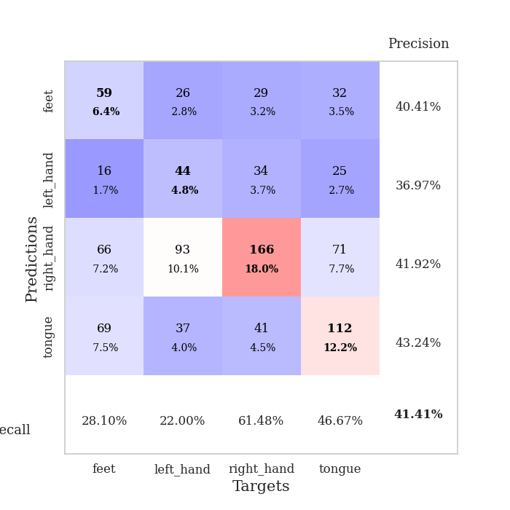

best_val_acc | best_val_los | best_test_acc
0.40217391304 | 1.359349909 | 0.3275862069
0.4347826087 | 1.3756999607 | 0.37068965517
0.39130434783 | 1.3833058865 | 0.33620689655
0.39130434783 | 1.3000516425 | 0.3275862069
0.5 | 1.3340372158 | 0.31896551724
0.34782608696 | 1.3973782114 | 0.29310344828
0.44565217391 | 1.4012587641 | 0.34482758621
0.42391304348 | 1.4204652206 | 0.36206896552
0.38043478261 | 1.3997620862 | 0.30172413793
0.42391304348 | 1.4763382362 | 0.38793103448

Mean,std Val accuracy is 0.4141304347826087 , 0.04176893561436115 and mean, std test accuracy is 0.3370689655172413 , 0.02998711574297602

Sheet1
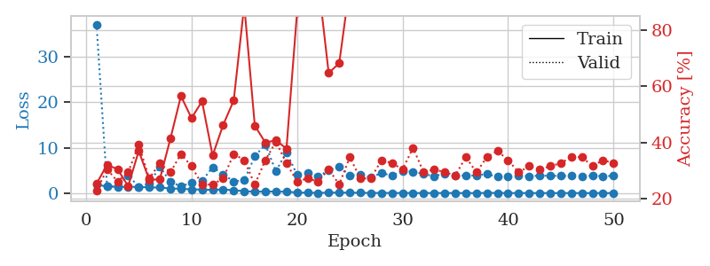
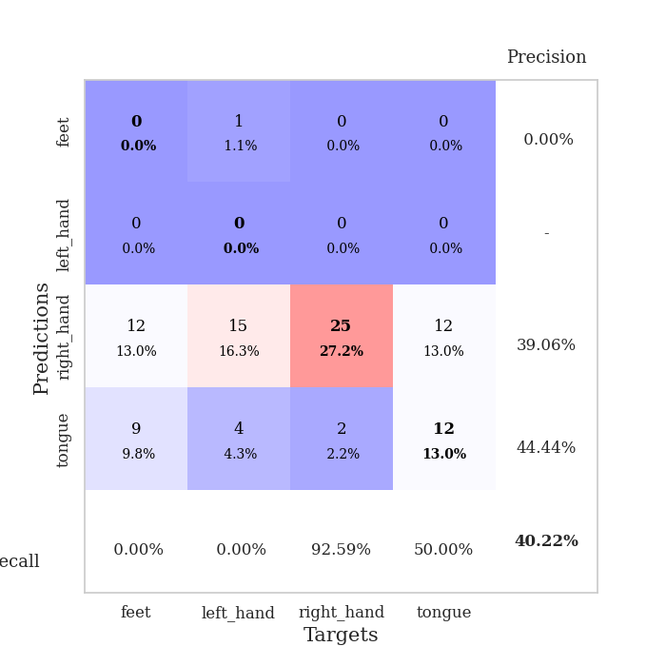
train_loss | valid_loss | train_accuracy | valid_accuracy | dur | train_misclass | valid_misclass
1.8165424907 | 37.190250894 | 0.2527173913 | 0.22826086957 | 1.1535673141 | 25.27173913 | 22.826086957
1.4865068871 | 1.5107839211 | 0.32065217391 | 0.30434782609 | 1.1482684612 | 32.065217391 | 30.434782609
1.3691883968 | 1.4269349264 | 0.30434782609 | 0.26086956522 | 1.1484930515 | 30.434782609 | 26.086956522
1.3577792593 | 3.9354272096 | 0.24456521739 | 0.29347826087 | 1.1492311954 | 24.456521739 | 29.347826087
1.3717933841 | 1.359349909 | 0.36956521739 | 0.39130434783 | 1.1492903233 | 36.956521739 | 39.130434783
1.2371280427 | 2.0795528889 | 0.26630434783 | 0.27173913043 | 1.1505198479 | 26.630434783 | 27.173913043
1.2374476868 | 5.8469630739 | 0.26902173913 | 0.32608695652 | 1.1481125355 | 26.902173913 | 32.608695652
1.0010843925 | 2.4644686865 | 0.41304347826 | 0.29347826087 | 1.1487324238 | 41.304347826 | 29.347826087
0.94924766344 | 1.5079667724 | 0.5652173913 | 0.35869565217 | 1.1471784115 | 56.52173913 | 35.869565217
0.81819242757 | 2.2488648788 | 0.48641304348 | 0.3152173913 | 1.1485159397 | 48.641304348 | 31.52173913
0.77412589996 | 2.6891915073 | 0.54619565217 | 0.25 | 1.1481015682 | 54.619565217 | 25
0.69887569935 | 5.7007596182 | 0.35326086957 | 0.25 | 1.1479213238 | 35.326086957 | 25
0.80078113857 | 4.1272502878 | 0.46195652174 | 0.27173913043 | 1.148976326 | 46.195652174 | 27.173913043
0.62458710178 | 2.5882535188 | 0.54891304348 | 0.35869565217 | 1.1490347385 | 54.891304348 | 35.869565217
0.42435131902 | 2.8217428145 | 0.88858695652 | 0.33695652174 | 1.1482298374 | 88.858695652 | 33.695652174
0.29534575311 | 8.1372695176 | 0.45923913043 | 0.25 | 1.1482579708 | 45.923913043 | 25
0.35659914399 | 10.689699546 | 0.39945652174 | 0.33695652174 | 1.1488046646 | 39.945652174 | 33.695652174
0.32201060718 | 4.8212070983 | 0.40760869565 | 0.40217391304 | 1.1491179466 | 40.760869565 | 40.217391304
0.30611316989 | 9.0123454384 | 0.3777173913 | 0.32608695652 | 1.1498086452 | 37.77173913 | 32.608695652
0.1351599107 | 4.0510345335 | 0.86141304348 | 0.26086956522 | 1.1484088898 | 86.141304348 | 26.086956522
0.083558625501 | 4.4436654215 | 0.89130434783 | 0.27173913043 | 1.1503283978 | 89.130434783 | 27.173913043
0.044165942757 | 3.6577487199 | 0.97554347826 | 0.26086956522 | 1.1488895416 | 97.554347826 | 26.086956522
0.09915191583 | 4.9994669583 | 0.64673913043 | 0.30434782609 | 1.1496555805 | 64.673913043 | 30.434782609
0.10726659573 | 5.8272141374 | 0.68206521739 | 0.25 | 1.1491928101 | 68.206521739 | 25
0.088261437076 | 3.9470818146 | 0.95923913043 | 0.34782608696 | 1.1489231586 | 95.923913043 | 34.782608696
0.060614624273 | 4.0173695606 | 0.98913043478 | 0.27173913043 | 1.1488206387 | 98.913043478 | 27.173913043
0.026180467629 | 3.4625351222 | 1 | 0.27173913043 | 1.149428606 | 100 | 27.173913043
0.038965699273 | 4.4214941315 | 0.98641304348 | 0.33695652174 | 1.1493515968 | 98.641304348 | 33.695652174
0.021728194977 | 3.8451081463 | 1 | 0.32608695652 | 1.1503138542 | 100 | 32.608695652
0.026011399753 | 4.9294347763 | 0.98097826087 | 0.30434782609 | 1.1494114399 | 98.097826087 | 30.434782609
0.017988370767 | 4.7396208203 | 0.98369565217 | 0.38043478261 | 1.1496264935 | 98.369565217 | 38.043478261
0.01173882705 | 4.1881849558 | 1 | 0.29347826087 | 1.1494283676 | 100 | 29.347826087
0.0086968691473 | 3.7448112965 | 1 | 0.30434782609 | 1.1499676704 | 100 | 30.434782609
0.018309668214 | 4.3414038264 | 1 | 0.29347826087 | 1.1504101753 | 100 | 29.347826087
0.0037238970741 | 3.9301679445 | 1 | 0.28260869565 | 1.1497542858 | 100 | 28.260869565
0.0035944628104 | 3.8612586415 | 1 | 0.34782608696 | 1.1498644352 | 100 | 34.782608696
0.0050693622059 | 3.9107898318 | 1 | 0.29347826087 | 1.1510608196 | 100 | 29.347826087
0.03802240802 | 4.1957117993 | 0.99184782609 | 0.34782608696 | 1.1506950855 | 99.184782609 | 34.782608696
0.035148252182 | 3.5906925927 | 1 | 0.36956521739 | 1.1508352757 | 100 | 36.956521739
0.012272816744 | 3.6245510785 | 1 | 0.33695652174 | 1.15107131 | 100 | 33.695652174
0.015128555207 | 3.7754972396 | 1 | 0.29347826087 | 1.1506881714 | 100 | 29.347826087
0.0034704282747 | 3.7514314962 | 1 | 0.3152173913 | 1.1510848999 | 100 | 31.52173913
0.0056268414217 | 3.8219925735 | 1 | 0.30434782609 | 1.1505556107 | 100 | 30.434782609
0.0033168268565 | 3.8247599809 | 1 | 0.3152173913 | 1.1510722637 | 100 | 31.52173913
0.0059704676615 | 3.7847279569 | 1 | 0.32608695652 | 1.1510047913 | 100 | 32.608695652
0.0027314173045 | 3.7945064565 | 1 | 0.34782608696 | 1.1512162685 | 100 | 34.782608696
0.0042974601826 | 3.7522856256 | 1 | 0.34782608696 | 1.1504542828 | 100 | 34.782608696
0.0023009417852 | 3.8089445467 | 1 | 0.3152173913 | 1.151083231 | 100 | 31.52173913
0.0025698383663 | 3.7539117336 | 1 | 0.33695652174 | 1.1508989334 | 100 | 33.695652174
0.0076660209275 | 3.7855053674 | 1 | 0.32608695652 | 1.1514487267 | 100 | 32.608695652

Best Val accuracy is 0.40217391304347827 and Best test accuracy is 0.3275862068965517

Sheet2
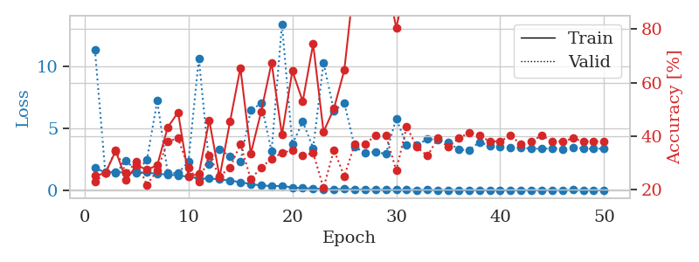
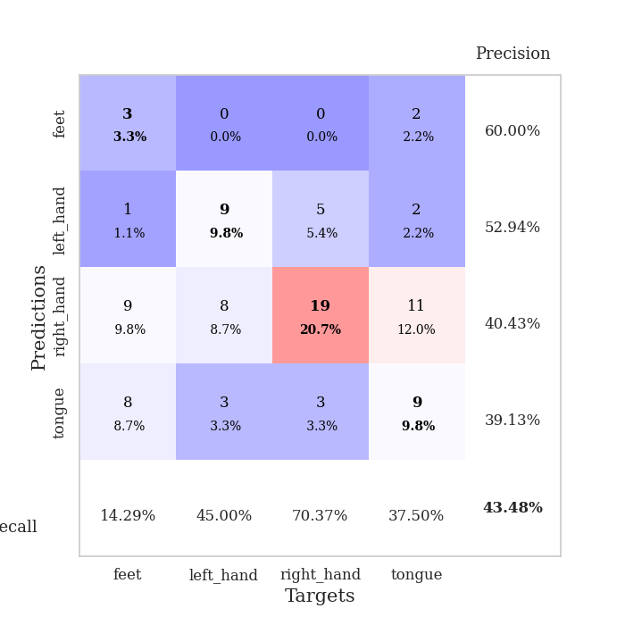
train_loss | valid_loss | train_accuracy | valid_accuracy | dur | train_misclass | valid_misclass
1.7882192342 | 11.332598023 | 0.2527173913 | 0.22826086957 | 1.1530702114 | 25.27173913 | 22.826086957
1.4341741852 | 1.4255830464 | 0.26086956522 | 0.26086956522 | 1.1492555141 | 26.086956522 | 26.086956522
1.4822107968 | 1.3786908025 | 0.34510869565 | 0.34782608696 | 1.1495337486 | 34.510869565 | 34.782608696
1.4001587422 | 2.3660955325 | 0.23641304348 | 0.26086956522 | 1.1485164165 | 23.641304348 | 26.086956522
1.409606861 | 1.5588574565 | 0.29076086957 | 0.30434782609 | 1.1489534378 | 29.076086957 | 30.434782609
1.4286215253 | 2.4197442739 | 0.27445652174 | 0.21739130435 | 1.1494708061 | 27.445652174 | 21.739130435
1.3165401065 | 7.2239636131 | 0.29076086957 | 0.27173913043 | 1.1495153904 | 29.076086957 | 27.173913043
1.2658079733 | 1.3837960648 | 0.43206521739 | 0.38043478261 | 1.1516952515 | 43.206521739 | 38.043478261
1.1819255715 | 1.3756999607 | 0.48913043478 | 0.39130434783 | 1.1510243416 | 48.913043478 | 39.130434783
1.0951442719 | 2.295995505 | 0.25 | 0.28260869565 | 1.1488177776 | 25 | 28.260869565
0.93010489578 | 10.634831014 | 0.25815217391 | 0.22826086957 | 1.1492786407 | 25.815217391 | 22.826086957
0.9433241668 | 2.0652412176 | 0.45923913043 | 0.32608695652 | 1.1492910385 | 45.923913043 | 32.608695652
0.8675753552 | 3.2937639382 | 0.2472826087 | 0.25 | 1.1491611004 | 24.72826087 | 25
0.77829215838 | 2.7268184372 | 0.45380434783 | 0.28260869565 | 1.1497540474 | 45.380434783 | 28.260869565
0.64233524126 | 2.2920612615 | 0.65489130435 | 0.36956521739 | 1.1496934891 | 65.489130435 | 36.956521739
0.4956711602 | 6.4657105778 | 0.33423913043 | 0.23913043478 | 1.1489503384 | 33.423913043 | 23.913043478
0.37369622549 | 6.9937159082 | 0.49184782609 | 0.28260869565 | 1.1496732235 | 49.184782609 | 28.260869565
0.34461901466 | 3.1227805096 | 0.67391304348 | 0.3152173913 | 1.1498527527 | 67.391304348 | 31.52173913
0.33249412833 | 13.401966012 | 0.40489130435 | 0.33695652174 | 1.150146246 | 40.489130435 | 33.695652174
0.22474045112 | 3.7040664424 | 0.64402173913 | 0.34782608696 | 1.1501841545 | 64.402173913 | 34.782608696
0.16221860991 | 5.5199523801 | 0.52989130435 | 0.32608695652 | 1.1502726078 | 52.989130435 | 32.608695652
0.1375985395 | 3.3948715044 | 0.74456521739 | 0.33695652174 | 1.1493108273 | 74.456521739 | 33.695652174
0.082608517219 | 10.288356325 | 0.41576086957 | 0.20652173913 | 1.1500375271 | 41.576086957 | 20.652173913
0.070155221402 | 6.40118006 | 0.5027173913 | 0.34782608696 | 1.1494410038 | 50.27173913 | 34.782608696
0.091823210859 | 7.0397840997 | 0.64673913043 | 0.25 | 1.1497318745 | 64.673913043 | 25
0.06886769161 | 3.5085700906 | 0.9972826087 | 0.36956521739 | 1.1491334438 | 99.72826087 | 36.956521739
0.039494483276 | 2.9771401675 | 1 | 0.36956521739 | 1.1501512527 | 100 | 36.956521739
0.035631132879 | 3.107670245 | 1 | 0.40217391304 | 1.1503894329 | 100 | 40.217391304
0.018712664053 | 2.9094483852 | 1 | 0.40217391304 | 1.1497290134 | 100 | 40.217391304
0.022024692148 | 5.7707917794 | 0.80434782609 | 0.27173913043 | 1.1497738361 | 80.434782609 | 27.173913043
0.024931300135 | 3.6411461934 | 0.98369565217 | 0.4347826087 | 1.1504547596 | 98.369565217 | 43.47826087
0.017806218102 | 3.631269144 | 1 | 0.35869565217 | 1.1496591568 | 100 | 35.869565217
0.027220448069 | 4.1341670389 | 0.90489130435 | 0.32608695652 | 1.1498076916 | 90.489130435 | 32.608695652
0.0076958814373 | 4.0546760974 | 0.9972826087 | 0.39130434783 | 1.1501903534 | 99.72826087 | 39.130434783
0.013385068699 | 3.8477014251 | 1 | 0.35869565217 | 1.1495974064 | 100 | 35.869565217
0.011882583355 | 3.283038979 | 1 | 0.39130434783 | 1.1505672932 | 100 | 39.130434783
0.0051661046126 | 3.2250762089 | 1 | 0.41304347826 | 1.1496999264 | 100 | 41.304347826
0.015510146821 | 3.8686440924 | 1 | 0.40217391304 | 1.1509256363 | 100 | 40.217391304
0.004954992057 | 3.5859595796 | 1 | 0.38043478261 | 1.1501748562 | 100 | 38.043478261
0.0032134162004 | 3.4879704144 | 1 | 0.38043478261 | 1.1506397724 | 100 | 38.043478261
0.0051786048444 | 3.4589432841 | 1 | 0.40217391304 | 1.1496253014 | 100 | 40.217391304
0.0060351174919 | 3.4256521723 | 1 | 0.36956521739 | 1.1509120464 | 100 | 36.956521739
0.0030270825436 | 3.3558963693 | 1 | 0.38043478261 | 1.1502251625 | 100 | 38.043478261
0.010659604608 | 3.3414950993 | 1 | 0.40217391304 | 1.1504442692 | 100 | 40.217391304
0.0022591069422 | 3.3746576309 | 1 | 0.38043478261 | 1.1499471664 | 100 | 38.043478261
0.0057400796169 | 3.2993416164 | 1 | 0.38043478261 | 1.1506445408 | 100 | 38.043478261
0.018417136244 | 3.4074520857 | 1 | 0.39130434783 | 1.1505174637 | 100 | 39.130434783
0.0056971862119 | 3.3627089936 | 1 | 0.38043478261 | 1.1502518654 | 100 | 38.043478261
0.0011539261183 | 3.3291762393 | 1 | 0.38043478261 | 1.1499786377 | 100 | 38.043478261
0.0021356712045 | 3.3670791647 | 1 | 0.38043478261 | 1.1512038708 | 100 | 38.043478261

Best Val accuracy is 0.43478260869565216 and Best test accuracy is 0.3706896551724138

Sheet3
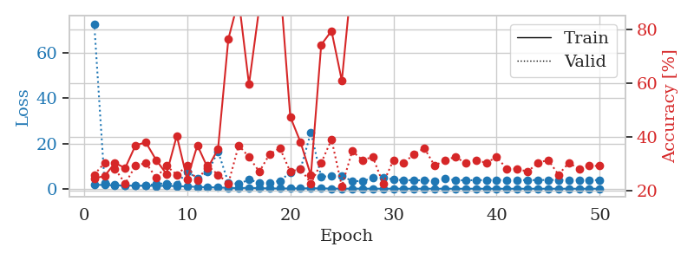
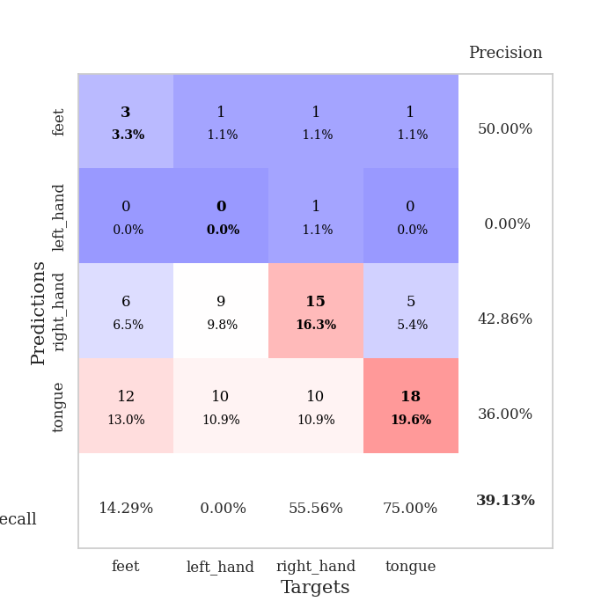
train_loss | valid_loss | train_accuracy | valid_accuracy | dur | train_misclass | valid_misclass
1.7278556616 | 72.864698161 | 0.2472826087 | 0.26086956522 | 1.1513235569 | 24.72826087 | 26.086956522
1.6398028032 | 2.7681285247 | 0.25543478261 | 0.30434782609 | 1.1468837261 | 25.543478261 | 30.434782609
1.4745064663 | 1.6430396826 | 0.30434782609 | 0.28260869565 | 1.1473608017 | 30.434782609 | 28.260869565
1.3769360781 | 1.5016386405 | 0.28532608696 | 0.22826086957 | 1.1495754719 | 28.532608696 | 22.826086957
1.3561413547 | 1.4046083481 | 0.36956521739 | 0.29347826087 | 1.14929986 | 36.956521739 | 29.347826087
1.3022535573 | 1.3833058865 | 0.38043478261 | 0.30434782609 | 1.1487267017 | 38.043478261 | 30.434782609
1.2402177557 | 2.1668474415 | 0.3152173913 | 0.25 | 1.1489560604 | 31.52173913 | 25
1.2747757642 | 2.3562592423 | 0.26358695652 | 0.29347826087 | 1.1491000652 | 26.358695652 | 29.347826087
1.1312678042 | 1.8835841055 | 0.40489130435 | 0.26086956522 | 1.1492414474 | 40.489130435 | 26.086956522
0.97828683905 | 7.5903081272 | 0.24456521739 | 0.29347826087 | 1.1484200954 | 24.456521739 | 29.347826087
0.80344821318 | 4.5392853488 | 0.36956521739 | 0.23913043478 | 1.1494204998 | 36.956521739 | 23.913043478
0.62977472466 | 7.3749234365 | 0.28532608696 | 0.29347826087 | 1.1493399143 | 28.532608696 | 29.347826087
0.538096724 | 16.466337619 | 0.35597826087 | 0.26086956522 | 1.1504178047 | 35.597826087 | 26.086956522
0.35911398802 | 2.6522624804 | 0.76358695652 | 0.22826086957 | 1.1504590511 | 76.358695652 | 22.826086957
0.29596248269 | 2.0885617111 | 0.91032608696 | 0.36956521739 | 1.1491544247 | 91.032608696 | 36.956521739
0.38347689273 | 4.0370251925 | 0.59510869565 | 0.32608695652 | 1.1505694389 | 59.510869565 | 32.608695652
0.24227075279 | 2.6477605053 | 0.88043478261 | 0.27173913043 | 1.149220705 | 88.043478261 | 27.173913043
0.13186041719 | 2.5650924496 | 0.97554347826 | 0.33695652174 | 1.1513161659 | 97.554347826 | 33.695652174
0.09455691691 | 3.5208974092 | 0.97554347826 | 0.35869565217 | 1.1497745514 | 97.554347826 | 35.869565217
0.1159909206 | 7.1087561898 | 0.47554347826 | 0.27173913043 | 1.1512651443 | 47.554347826 | 27.173913043
0.14777847181 | 8.781828901 | 0.38043478261 | 0.28260869565 | 1.1503632069 | 38.043478261 | 28.260869565
0.167457503 | 24.902943487 | 0.25815217391 | 0.22826086957 | 1.1506090164 | 25.815217391 | 22.826086957
0.15231734798 | 5.1441959713 | 0.74184782609 | 0.30434782609 | 1.1504149437 | 74.184782609 | 30.434782609
0.06507269783 | 5.7907613257 | 0.79347826087 | 0.39130434783 | 1.1501231194 | 79.347826087 | 39.130434783
0.046893624781 | 5.632166904 | 0.60869565217 | 0.21739130435 | 1.151340723 | 60.869565217 | 21.739130435
0.02188038583 | 3.4107954709 | 1 | 0.34782608696 | 1.1510982513 | 100 | 34.782608696
0.034820875786 | 3.3278545193 | 1 | 0.3152173913 | 1.1520318985 | 100 | 31.52173913
0.024158962613 | 4.7837586921 | 0.9972826087 | 0.32608695652 | 1.1504080296 | 99.72826087 | 32.608695652
0.018529045509 | 4.9995742673 | 0.89945652174 | 0.22826086957 | 1.1507403851 | 89.945652174 | 22.826086957
0.010523042849 | 4.0392844055 | 1 | 0.3152173913 | 1.1512601376 | 100 | 31.52173913
0.011987856597 | 3.7137338908 | 1 | 0.30434782609 | 1.1509010792 | 100 | 30.434782609
0.010225657191 | 3.810922291 | 1 | 0.33695652174 | 1.1506361961 | 100 | 33.695652174
0.019327318174 | 3.6405553818 | 0.99456521739 | 0.35869565217 | 1.1505358219 | 99.456521739 | 35.869565217
0.0094896659493 | 3.4905530577 | 1 | 0.29347826087 | 1.1511266232 | 100 | 29.347826087
0.0092077396618 | 4.3384609222 | 1 | 0.3152173913 | 1.1498782635 | 100 | 31.52173913
0.0074524797712 | 3.7768233859 | 1 | 0.32608695652 | 1.1495687962 | 100 | 32.608695652
0.0080482227735 | 3.7070180333 | 1 | 0.30434782609 | 1.1506023407 | 100 | 30.434782609
0.01184211776 | 3.7680685106 | 1 | 0.3152173913 | 1.1502013206 | 100 | 31.52173913
0.0041790380391 | 3.8271533821 | 1 | 0.30434782609 | 1.150097847 | 100 | 30.434782609
0.0041763483921 | 3.8397743287 | 1 | 0.32608695652 | 1.1506874561 | 100 | 32.608695652
0.0030049998693 | 3.8113718447 | 1 | 0.28260869565 | 1.150796175 | 100 | 28.260869565
0.0027588544927 | 3.7829114769 | 1 | 0.28260869565 | 1.1505630016 | 100 | 28.260869565
0.0058509518074 | 3.8188404933 | 1 | 0.27173913043 | 1.1504204273 | 100 | 27.173913043
0.0033118006211 | 3.8054629098 | 1 | 0.30434782609 | 1.1510403156 | 100 | 30.434782609
0.0017124354629 | 3.8800604343 | 1 | 0.3152173913 | 1.151966095 | 100 | 31.52173913
0.006675898429 | 3.8440626082 | 1 | 0.26086956522 | 1.1518139839 | 100 | 26.086956522
0.0068280901785 | 3.824412688 | 1 | 0.30434782609 | 1.151892662 | 100 | 30.434782609
0.0026263289075 | 3.8238085042 | 1 | 0.28260869565 | 1.1520118713 | 100 | 28.260869565
0.0036716590858 | 3.8440609704 | 1 | 0.29347826087 | 1.1520707607 | 100 | 29.347826087
0.0029371793384 | 3.7626652925 | 1 | 0.29347826087 | 1.1523497105 | 100 | 29.347826087

Best Val accuracy is 0.391304347826087 and Best test accuracy is 0.33620689655172414

Sheet4
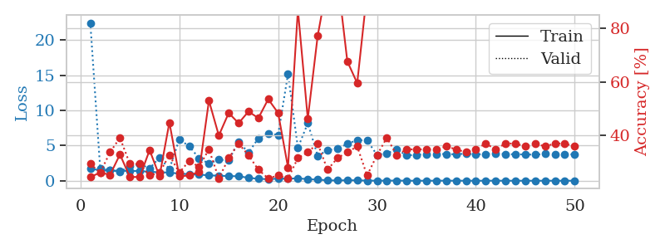
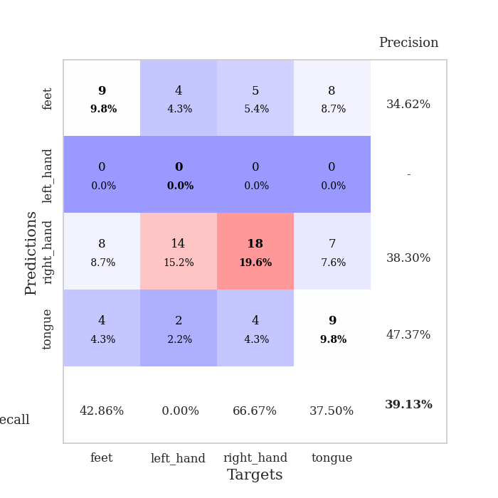
train_loss | valid_loss | train_accuracy | valid_accuracy | dur | train_misclass | valid_misclass
1.7445781905 | 22.451478834 | 0.24456521739 | 0.29347826087 | 1.1518454552 | 24.456521739 | 29.347826087
1.4624719464 | 1.7138083499 | 0.26086956522 | 0.26086956522 | 1.1478106976 | 26.086956522 | 26.086956522
1.4609374534 | 1.481105763 | 0.2527173913 | 0.33695652174 | 1.1482563019 | 25.27173913 | 33.695652174
1.3999160736 | 1.3000516425 | 0.32880434783 | 0.39130434783 | 1.1478784084 | 32.880434783 | 39.130434783
1.4094789235 | 2.0637504536 | 0.24456521739 | 0.29347826087 | 1.1471185684 | 24.456521739 | 29.347826087
1.372405783 | 2.3699996057 | 0.24456521739 | 0.29347826087 | 1.1477315426 | 24.456521739 | 29.347826087
1.2890377097 | 1.755756627 | 0.34510869565 | 0.25 | 1.1482598782 | 34.510869565 | 25
1.1956655668 | 3.3007042408 | 0.2472826087 | 0.26086956522 | 1.1483018398 | 24.72826087 | 26.086956522
1.180836237 | 1.6581105616 | 0.44836956522 | 0.32608695652 | 1.1475934982 | 44.836956522 | 32.608695652
0.99577922406 | 5.8750631291 | 0.2472826087 | 0.26086956522 | 1.1481730938 | 24.72826087 | 26.086956522
0.94617942623 | 4.91356066 | 0.25 | 0.30434782609 | 1.1481573582 | 25 | 30.434782609
0.87876994195 | 3.198863102 | 0.26358695652 | 0.28260869565 | 1.148055315 | 26.358695652 | 28.260869565
0.76096132009 | 2.4423434009 | 0.52989130435 | 0.34782608696 | 1.1486566067 | 52.989130435 | 34.782608696
0.71896307365 | 3.0006032197 | 0.39945652174 | 0.23913043478 | 1.1492872238 | 39.945652174 | 23.913043478
0.6648940146 | 2.8816762592 | 0.48369565217 | 0.3152173913 | 1.149118185 | 48.369565217 | 31.52173913
0.63654413431 | 5.5749057687 | 0.44565217391 | 0.36956521739 | 1.1490473747 | 44.565217391 | 36.956521739
0.42022239255 | 3.9841790925 | 0.48913043478 | 0.32608695652 | 1.1493823528 | 48.913043478 | 32.608695652
0.27686772139 | 6.0387959273 | 0.46467391304 | 0.27173913043 | 1.1493103504 | 46.467391304 | 27.173913043
0.22378619145 | 6.7079596727 | 0.53532608696 | 0.23913043478 | 1.1490831375 | 53.532608696 | 23.913043478
0.30600187798 | 6.5181286024 | 0.48369565217 | 0.25 | 1.1489226818 | 48.369565217 | 25
0.29888610752 | 15.199242467 | 0.27989130435 | 0.23913043478 | 1.1497724056 | 27.989130435 | 23.913043478
0.34355642647 | 4.6726143049 | 0.86956521739 | 0.3152173913 | 1.1496872902 | 86.956521739 | 31.52173913
0.22350579808 | 8.1912783125 | 0.46195652174 | 0.33695652174 | 1.1484417915 | 46.195652174 | 33.695652174
0.15968748676 | 3.5475785525 | 0.77173913043 | 0.36956521739 | 1.1487975121 | 77.173913043 | 36.956521739
0.068846370215 | 4.3424259891 | 0.97282608696 | 0.27173913043 | 1.1491875648 | 97.282608696 | 27.173913043
0.036506965777 | 4.5427893763 | 0.99184782609 | 0.3152173913 | 1.1492774487 | 99.184782609 | 31.52173913
0.077347501566 | 5.245590635 | 0.67663043478 | 0.33695652174 | 1.1490278244 | 67.663043478 | 33.695652174
0.056262662675 | 5.7822688144 | 0.59510869565 | 0.35869565217 | 1.1493611336 | 59.510869565 | 35.869565217
0.021066711406 | 5.7305313608 | 0.9375 | 0.25 | 1.1495306492 | 93.75 | 25
0.0098167539615 | 3.677018518 | 1 | 0.32608695652 | 1.1496367455 | 100 | 32.608695652
0.015305534359 | 3.9067434124 | 1 | 0.39130434783 | 1.1496055126 | 100 | 39.130434783
0.025185566836 | 4.4348108043 | 1 | 0.32608695652 | 1.1500222683 | 100 | 32.608695652
0.0053339837316 | 3.606480982 | 1 | 0.34782608696 | 1.1504039764 | 100 | 34.782608696
0.0054427937088 | 3.6829766191 | 1 | 0.34782608696 | 1.1523394585 | 100 | 34.782608696
0.0047786143613 | 3.7880970706 | 1 | 0.34782608696 | 1.150718689 | 100 | 34.782608696
0.0078689490582 | 3.7999153552 | 1 | 0.34782608696 | 1.1510667801 | 100 | 34.782608696
0.012604375679 | 3.7999535851 | 1 | 0.35869565217 | 1.1505968571 | 100 | 35.869565217
0.0053857588108 | 3.7580194681 | 1 | 0.34782608696 | 1.1505198479 | 100 | 34.782608696
0.0076403426191 | 3.858154981 | 1 | 0.33695652174 | 1.1505599022 | 100 | 33.695652174
0.0047353439706 | 3.7495413656 | 1 | 0.34782608696 | 1.1509537697 | 100 | 34.782608696
0.0070148735996 | 3.7921218872 | 1 | 0.36956521739 | 1.1501994133 | 100 | 36.956521739
0.011113849415 | 3.8935456069 | 1 | 0.34782608696 | 1.1514108181 | 100 | 34.782608696
0.0052893756403 | 3.7844143121 | 1 | 0.36956521739 | 1.1510825157 | 100 | 36.956521739
0.0039345748702 | 3.7596911762 | 1 | 0.36956521739 | 1.1501383781 | 100 | 36.956521739
0.0055972005028 | 3.7378384134 | 1 | 0.35869565217 | 1.1503646374 | 100 | 35.869565217
0.0030317835892 | 3.7071803134 | 1 | 0.36956521739 | 1.1511332989 | 100 | 36.956521739
0.0059162923717 | 3.8154817871 | 1 | 0.35869565217 | 1.1504843235 | 100 | 35.869565217
0.0051702258504 | 3.7234174272 | 1 | 0.36956521739 | 1.1513285637 | 100 | 36.956521739
0.0032371750947 | 3.7376292685 | 1 | 0.36956521739 | 1.1507546902 | 100 | 36.956521739
0.0092375603854 | 3.7693524153 | 1 | 0.35869565217 | 1.1501832008 | 100 | 35.869565217

Best Val accuracy is 0.391304347826087 and Best test accuracy is 0.3275862068965517

Sheet5
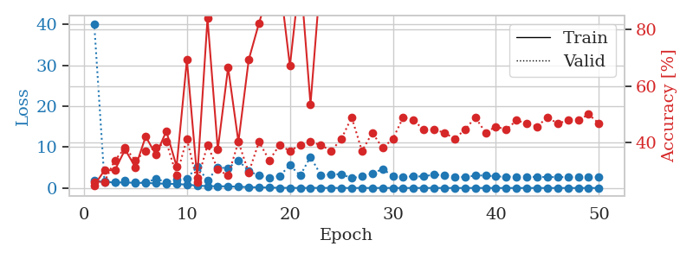
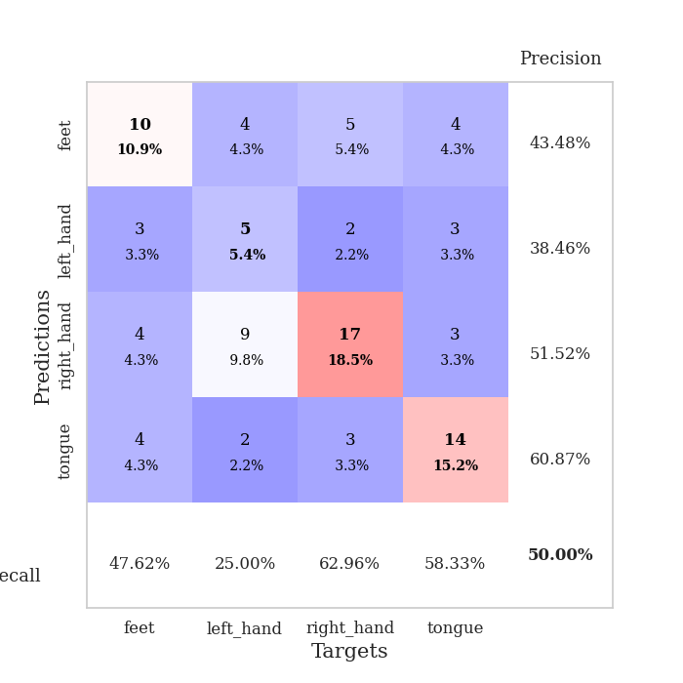
train_loss | valid_loss | train_accuracy | valid_accuracy | dur | train_misclass | valid_misclass
1.7681078807 | 40.193775509 | 0.2472826087 | 0.26086956522 | 1.1513648033 | 24.72826087 | 26.086956522
1.4682062346 | 1.534710428 | 0.30163043478 | 0.26086956522 | 1.1478807926 | 30.163043478 | 26.086956522
1.3681027682 | 1.4350497049 | 0.30163043478 | 0.33695652174 | 1.1480402946 | 30.163043478 | 33.695652174
1.3481274791 | 1.8301256429 | 0.375 | 0.38043478261 | 1.1474397182 | 37.5 | 38.043478261
1.2752779411 | 1.3340372158 | 0.3125 | 0.33695652174 | 1.1470537186 | 31.25 | 33.695652174
1.2337313683 | 1.3698923899 | 0.42119565217 | 0.36956521739 | 1.1500995159 | 42.119565217 | 36.956521739
1.1305637334 | 2.1984722459 | 0.35597826087 | 0.38043478261 | 1.1496500969 | 35.597826087 | 38.043478261
1.0172989964 | 1.5010697868 | 0.4402173913 | 0.40217391304 | 1.149065733 | 44.02173913 | 40.217391304
0.9815289741 | 1.9741184815 | 0.3152173913 | 0.28260869565 | 1.1509997845 | 31.52173913 | 28.260869565
0.81489869563 | 2.3100553647 | 0.69293478261 | 0.41304347826 | 1.1493060589 | 69.293478261 | 41.304347826
0.58846980269 | 5.2191516005 | 0.27445652174 | 0.26086956522 | 1.1515293121 | 27.445652174 | 26.086956522
0.45566734866 | 1.8837949867 | 0.83967391304 | 0.39130434783 | 1.1485545635 | 83.967391304 | 39.130434783
0.42288144322 | 4.9917683394 | 0.375 | 0.30434782609 | 1.1492629051 | 37.5 | 30.434782609
0.40134687592 | 4.8787311678 | 0.66576086957 | 0.28260869565 | 1.1489343643 | 66.576086957 | 28.260869565
0.29687916617 | 6.7614293928 | 0.40217391304 | 0.40217391304 | 1.1494779587 | 40.217391304 | 40.217391304
0.21652724853 | 4.1563999342 | 0.69293478261 | 0.29347826087 | 1.1503498554 | 69.293478261 | 29.347826087
0.15881641233 | 3.0184782795 | 0.82336956522 | 0.40217391304 | 1.150588274 | 82.336956522 | 40.217391304
0.11026945423 | 2.5549082756 | 0.9402173913 | 0.33695652174 | 1.1502525806 | 94.02173913 | 33.695652174
0.051468783909 | 2.956372147 | 0.97554347826 | 0.39130434783 | 1.1507461071 | 97.554347826 | 39.130434783
0.02804219165 | 5.5469856262 | 0.67119565217 | 0.36956521739 | 1.1504352093 | 67.119565217 | 36.956521739
0.017258697392 | 3.0728156463 | 1 | 0.39130434783 | 1.1501560211 | 100 | 39.130434783
0.022822569089 | 7.6251884336 | 0.53532608696 | 0.40217391304 | 1.1505908966 | 53.532608696 | 40.217391304
0.032690037599 | 3.1712447664 | 0.9972826087 | 0.39130434783 | 1.1514995098 | 99.72826087 | 39.130434783
0.014517268763 | 3.3283521403 | 0.9972826087 | 0.36956521739 | 1.150816679 | 99.72826087 | 36.956521739
0.013352857073 | 3.3666838252 | 0.9972826087 | 0.41304347826 | 1.1512229443 | 99.72826087 | 41.304347826
0.0049785333382 | 2.4241195865 | 1 | 0.48913043478 | 1.1506779194 | 100 | 48.913043478
0.012246441067 | 2.8191741238 | 0.99456521739 | 0.36956521739 | 1.1504335403 | 99.456521739 | 36.956521739
0.0081200314503 | 3.5805220397 | 0.98641304348 | 0.4347826087 | 1.1498396397 | 98.641304348 | 43.47826087
0.012321611965 | 4.6090210002 | 0.97554347826 | 0.38043478261 | 1.1510283947 | 97.554347826 | 38.043478261
0.0049444655053 | 2.9802798966 | 1 | 0.41304347826 | 1.1510138512 | 100 | 41.304347826
0.0041931941068 | 2.7781194293 | 1 | 0.48913043478 | 1.1512207985 | 100 | 48.913043478
0.0054806049954 | 2.8187925401 | 1 | 0.47826086957 | 1.1513416767 | 100 | 47.826086957
0.011170878423 | 2.8378326064 | 1 | 0.44565217391 | 1.1510341167 | 100 | 44.565217391
0.010769698523 | 3.286562733 | 1 | 0.44565217391 | 1.1509814262 | 100 | 44.565217391
0.0089477849371 | 3.1036070948 | 1 | 0.4347826087 | 1.1513478756 | 100 | 43.47826087
0.0095504750991 | 2.7134654107 | 1 | 0.41304347826 | 1.1514341831 | 100 | 41.304347826
0.0044712825354 | 2.6832972402 | 1 | 0.44565217391 | 1.1522288322 | 100 | 44.565217391
0.016161252767 | 3.0281931214 | 1 | 0.48913043478 | 1.1518211365 | 100 | 48.913043478
0.0092144593971 | 3.0942099094 | 1 | 0.4347826087 | 1.1520657539 | 100 | 43.47826087
0.0056841255776 | 2.8022644312 | 1 | 0.45652173913 | 1.1515879631 | 100 | 45.652173913
0.0087858437157 | 2.7952173171 | 1 | 0.44565217391 | 1.1521224976 | 100 | 44.565217391
0.0015949248893 | 2.7241765313 | 1 | 0.47826086957 | 1.1527426243 | 100 | 47.826086957
0.0071885434432 | 2.7264974843 | 1 | 0.46739130435 | 1.151797533 | 100 | 46.739130435
0.0040535570398 | 2.6921341938 | 1 | 0.45652173913 | 1.1517541409 | 100 | 45.652173913
0.0027720318771 | 2.6707191882 | 1 | 0.48913043478 | 1.1525192261 | 100 | 48.913043478
0.0029277001918 | 2.6698883098 | 1 | 0.46739130435 | 1.1519634724 | 100 | 46.739130435
0.0060594315329 | 2.6709947068 | 1 | 0.47826086957 | 1.151774168 | 100 | 47.826086957
0.0029479468 | 2.6451680038 | 1 | 0.47826086957 | 1.152192831 | 100 | 47.826086957
0.006457406446 | 2.6660117274 | 1 | 0.5 | 1.1522574425 | 100 | 50
0.0043972078787 | 2.6645480343 | 1 | 0.46739130435 | 1.15137887 | 100 | 46.739130435

Best Val accuracy is 0.5 and Best test accuracy is 0.31896551724137934

Sheet6
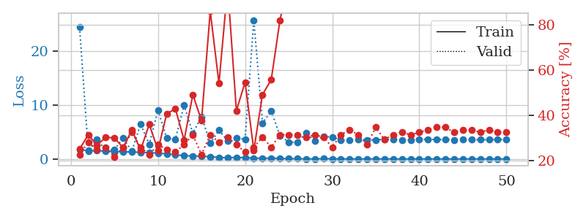
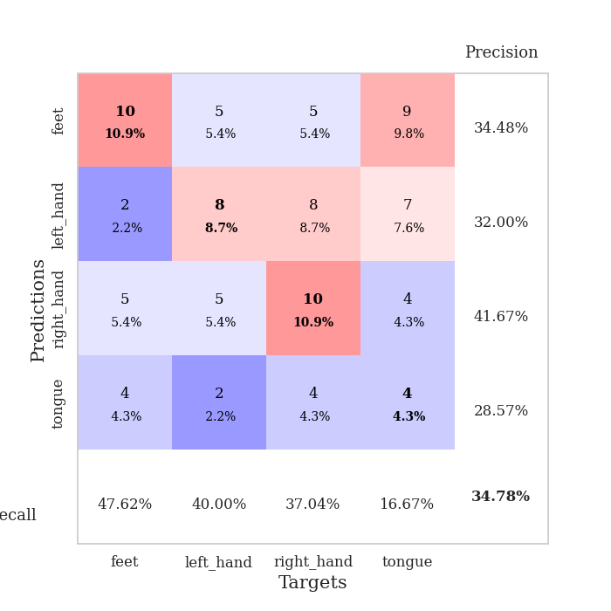
train_loss | valid_loss | train_accuracy | valid_accuracy | dur | train_misclass | valid_misclass
1.7907375771 | 24.450893236 | 0.2527173913 | 0.22826086957 | 1.1529970169 | 25.27173913 | 22.826086957
1.4919226325 | 1.5339826916 | 0.3152173913 | 0.28260869565 | 1.1481225491 | 31.52173913 | 28.260869565
1.5509716117 | 3.6780433655 | 0.26902173913 | 0.25 | 1.1476550102 | 26.902173913 | 25
1.4412163755 | 1.600585046 | 0.30434782609 | 0.26086956522 | 1.1485836506 | 30.434782609 | 26.086956522
1.3523419836 | 1.7116476194 | 0.30163043478 | 0.21739130435 | 1.1479649544 | 30.163043478 | 21.739130435
1.3304820838 | 3.9363863883 | 0.25815217391 | 0.26086956522 | 1.1491138935 | 25.815217391 | 26.086956522
1.3012040361 | 1.3973782114 | 0.33695652174 | 0.32608695652 | 1.148242712 | 33.695652174 | 32.608695652
1.2259627296 | 6.4708864585 | 0.2472826087 | 0.26086956522 | 1.149980545 | 24.72826087 | 26.086956522
1.1700196266 | 2.7181657397 | 0.36141304348 | 0.22826086957 | 1.1480162144 | 36.141304348 | 22.826086957
1.070251737 | 9.048971964 | 0.2472826087 | 0.27173913043 | 1.1482524872 | 24.72826087 | 27.173913043
0.96595799145 | 3.8467277962 | 0.40760869565 | 0.25 | 1.148547411 | 40.760869565 | 25
0.7833889982 | 3.6518281232 | 0.42934782609 | 0.23913043478 | 1.149838686 | 42.934782609 | 23.913043478
0.5963656384 | 9.9591618828 | 0.29076086957 | 0.27173913043 | 1.1492173672 | 29.076086957 | 27.173913043
0.57559218484 | 4.7678043739 | 0.49184782609 | 0.3152173913 | 1.1499676704 | 49.184782609 | 31.52173913
0.48726212784 | 7.8735759984 | 0.3777173913 | 0.22826086957 | 1.149633646 | 37.77173913 | 22.826086957
0.42690359963 | 2.9034119171 | 0.85869565217 | 0.3152173913 | 1.1498560905 | 85.869565217 | 31.52173913
0.28359916709 | 5.3491542443 | 0.54076086957 | 0.28260869565 | 1.1498999596 | 54.076086957 | 28.260869565
0.22997479546 | 3.3403943933 | 0.96739130435 | 0.30434782609 | 1.1499378681 | 96.739130435 | 30.434782609
0.28773842865 | 3.9560471825 | 0.42119565217 | 0.27173913043 | 1.1492240429 | 42.119565217 | 27.173913043
0.23729239995 | 3.599086067 | 0.54619565217 | 0.23913043478 | 1.1495397091 | 54.619565217 | 23.913043478
0.16598086217 | 25.770925107 | 0.2472826087 | 0.26086956522 | 1.1492481232 | 24.72826087 | 26.086956522
0.12826985761 | 6.6682636427 | 0.49184782609 | 0.30434782609 | 1.1508464813 | 49.184782609 | 30.434782609
0.15587195345 | 8.9026345792 | 0.55706521739 | 0.26086956522 | 1.1498003006 | 55.706521739 | 26.086956522
0.085507586922 | 4.3153608053 | 0.81793478261 | 0.3152173913 | 1.1490073204 | 81.793478261 | 31.52173913
0.056335360034 | 3.1495273735 | 0.9972826087 | 0.3152173913 | 1.1484007835 | 99.72826087 | 31.52173913
0.041816114418 | 3.0263940977 | 1 | 0.3152173913 | 1.1494760513 | 100 | 31.52173913
0.022688203866 | 4.8435706056 | 0.98097826087 | 0.30434782609 | 1.1491105556 | 98.097826087 | 30.434782609
0.010366739472 | 3.3122625662 | 1 | 0.3152173913 | 1.1489272118 | 100 | 31.52173913
0.068486271973 | 4.2071324639 | 0.98097826087 | 0.30434782609 | 1.1499011517 | 98.097826087 | 30.434782609
0.034215951192 | 4.0648147127 | 0.97010869565 | 0.26086956522 | 1.1495659351 | 97.010869565 | 26.086956522
0.0088522445648 | 3.4555659087 | 1 | 0.3152173913 | 1.1497979164 | 100 | 31.52173913
0.0091166820595 | 3.4980082305 | 1 | 0.33695652174 | 1.1500058174 | 100 | 33.695652174
0.0098113823725 | 3.6861958504 | 1 | 0.3152173913 | 1.1493208408 | 100 | 31.52173913
0.015717990991 | 3.5226303391 | 1 | 0.27173913043 | 1.1495161057 | 100 | 27.173913043
0.019193984707 | 3.525258935 | 1 | 0.34782608696 | 1.1507022381 | 100 | 34.782608696
0.013393057347 | 3.6753857032 | 1 | 0.29347826087 | 1.148884058 | 100 | 29.347826087
0.0035672729959 | 3.5598143495 | 1 | 0.3152173913 | 1.1495780945 | 100 | 31.52173913
0.0037278720018 | 3.5358277404 | 1 | 0.32608695652 | 1.150734663 | 100 | 32.608695652
0.0093233236175 | 3.5356921735 | 1 | 0.3152173913 | 1.1503760815 | 100 | 31.52173913
0.008742524874 | 3.6262380766 | 1 | 0.32608695652 | 1.1504516602 | 100 | 32.608695652
0.004907850972 | 3.6413368971 | 1 | 0.33695652174 | 1.1522855759 | 100 | 33.695652174
0.0097349170468 | 3.6145679432 | 1 | 0.34782608696 | 1.1509931087 | 100 | 34.782608696
0.0030312112105 | 3.5747672579 | 1 | 0.34782608696 | 1.1501822472 | 100 | 34.782608696
0.0020018598209 | 3.5355869998 | 1 | 0.32608695652 | 1.1508016586 | 100 | 32.608695652
0.0019096306762 | 3.581372033 | 1 | 0.33695652174 | 1.1498510838 | 100 | 33.695652174
0.0062581178246 | 3.5594837977 | 1 | 0.33695652174 | 1.1502075195 | 100 | 33.695652174
0.0040086198917 | 3.5619577532 | 1 | 0.32608695652 | 1.1496887207 | 100 | 32.608695652
0.004291905225 | 3.5890119179 | 1 | 0.33695652174 | 1.1503293514 | 100 | 33.695652174
0.0030651095016 | 3.5946044093 | 1 | 0.32608695652 | 1.1501653194 | 100 | 32.608695652
0.0052194398797 | 3.604562946 | 1 | 0.32608695652 | 1.1510522366 | 100 | 32.608695652

Best Val accuracy is 0.34782608695652173 and Best test accuracy is 0.29310344827586204

Sheet7
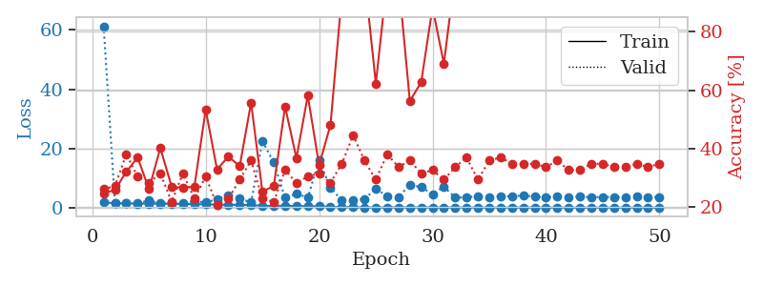
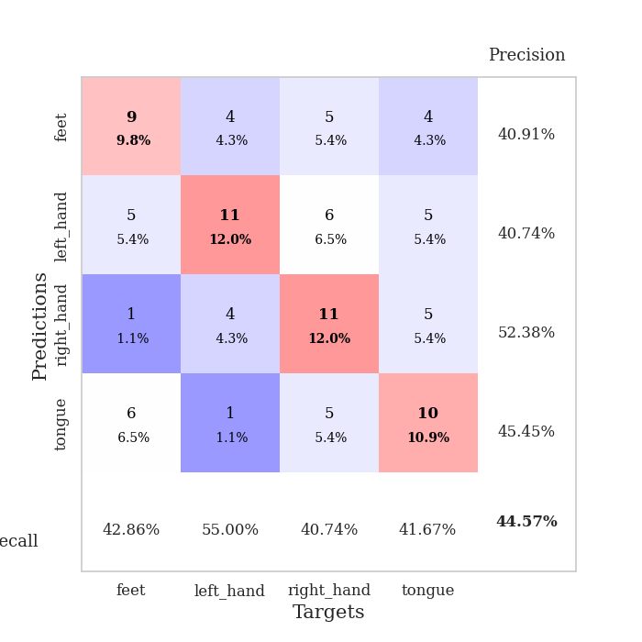
train_loss | valid_loss | train_accuracy | valid_accuracy | dur | train_misclass | valid_misclass
1.7589598946 | 61.252175207 | 0.2472826087 | 0.26086956522 | 1.1516711712 | 24.72826087 | 26.086956522
1.4768361475 | 1.646328895 | 0.25815217391 | 0.27173913043 | 1.1467998028 | 25.815217391 | 27.173913043
1.4409450189 | 1.4402399737 | 0.32065217391 | 0.38043478261 | 1.1478168964 | 32.065217391 | 38.043478261
1.3445119339 | 1.4435071738 | 0.36956521739 | 0.30434782609 | 1.1499726772 | 36.956521739 | 30.434782609
1.3349114294 | 2.4208128297 | 0.26086956522 | 0.28260869565 | 1.1503376961 | 26.086956522 | 28.260869565
1.3342665434 | 1.4012587641 | 0.40217391304 | 0.3152173913 | 1.1505815983 | 40.217391304 | 31.52173913
1.2888710343 | 1.810826286 | 0.26902173913 | 0.21739130435 | 1.1495633125 | 26.902173913 | 21.739130435
1.2335365389 | 1.5478577251 | 0.26630434783 | 0.3152173913 | 1.1498770714 | 26.630434783 | 31.52173913
1.1502692984 | 2.2131150391 | 0.26902173913 | 0.22826086957 | 1.1510367393 | 26.902173913 | 22.826086957
1.0974420309 | 1.7186114633 | 0.53260869565 | 0.30434782609 | 1.1494889259 | 53.260869565 | 30.434782609
0.99893179665 | 2.8790034211 | 0.32880434783 | 0.20652173913 | 1.1498906612 | 32.880434783 | 20.652173913
0.97890211188 | 4.2646739794 | 0.3722826087 | 0.22826086957 | 1.1502180099 | 37.22826087 | 22.826086957
0.9013313055 | 3.0966661391 | 0.33967391304 | 0.29347826087 | 1.1501655579 | 33.967391304 | 29.347826087
0.84004672714 | 1.7211840619 | 0.55706521739 | 0.35869565217 | 1.1499898434 | 55.706521739 | 35.869565217
0.60372503555 | 22.460708618 | 0.2527173913 | 0.22826086957 | 1.1498725414 | 25.27173913 | 22.826086957
0.57982596496 | 15.228609002 | 0.27173913043 | 0.21739130435 | 1.1506466866 | 27.173913043 | 21.739130435
0.63987378452 | 3.316667365 | 0.54347826087 | 0.32608695652 | 1.1502642632 | 54.347826087 | 32.608695652
0.45221818465 | 4.7006012149 | 0.36684782609 | 0.28260869565 | 1.150841713 | 36.684782609 | 28.260869565
0.5003214174 | 3.36520308 | 0.58152173913 | 0.30434782609 | 1.1509187222 | 58.152173913 | 30.434782609
0.40804486041 | 16.046414085 | 0.34239130435 | 0.3152173913 | 1.1507353783 | 34.239130435 | 31.52173913
0.24975838253 | 6.6921201374 | 0.48097826087 | 0.28260869565 | 1.1516418457 | 48.097826087 | 28.260869565
0.17818233954 | 2.4200619666 | 0.92391304348 | 0.34782608696 | 1.1508557796 | 92.391304348 | 34.782608696
0.1425583429 | 2.4772734331 | 0.98641304348 | 0.44565217391 | 1.150621891 | 98.641304348 | 44.565217391
0.066941250723 | 2.8395785767 | 0.99184782609 | 0.35869565217 | 1.1537771225 | 99.184782609 | 35.869565217
0.056503297964 | 6.4338855951 | 0.6222826087 | 0.29347826087 | 1.1503369808 | 62.22826087 | 29.347826087
0.061529891161 | 3.8013409013 | 0.98097826087 | 0.38043478261 | 1.1510519981 | 98.097826087 | 38.043478261
0.062782377329 | 3.5956277329 | 0.97826086957 | 0.33695652174 | 1.1513943672 | 97.826086957 | 33.695652174
0.072810362761 | 7.7166931318 | 0.5625 | 0.35869565217 | 1.1516096592 | 56.25 | 35.869565217
0.079704439389 | 6.8924885418 | 0.6277173913 | 0.3152173913 | 1.1512041092 | 62.77173913 | 31.52173913
0.057868560331 | 4.56334197 | 0.88315217391 | 0.32608695652 | 1.1519339085 | 88.315217391 | 32.608695652
0.040163474704 | 7.0902285991 | 0.6902173913 | 0.29347826087 | 1.1514298916 | 69.02173913 | 29.347826087
0.03805140126 | 3.3147326656 | 1 | 0.33695652174 | 1.1522328854 | 100 | 33.695652174
0.024852506756 | 3.4886790462 | 1 | 0.36956521739 | 1.1512768269 | 100 | 36.956521739
0.023857160785 | 3.905855977 | 1 | 0.29347826087 | 1.1518900394 | 100 | 29.347826087
0.013461380863 | 3.5865922285 | 1 | 0.35869565217 | 1.1512877941 | 100 | 35.869565217
0.015348892467 | 3.8976153498 | 1 | 0.36956521739 | 1.1521582603 | 100 | 36.956521739
0.020047576531 | 3.8090493575 | 1 | 0.34782608696 | 1.1520657539 | 100 | 34.782608696
0.037214447137 | 4.0703549281 | 1 | 0.34782608696 | 1.1522967815 | 100 | 34.782608696
0.015678890561 | 3.7140089636 | 1 | 0.34782608696 | 1.151797533 | 100 | 34.782608696
0.012148424133 | 3.5066923473 | 1 | 0.33695652174 | 1.1522321701 | 100 | 33.695652174
0.017641160252 | 3.6978598989 | 1 | 0.35869565217 | 1.1524848938 | 100 | 35.869565217
0.007968018206 | 3.5705630572 | 1 | 0.32608695652 | 1.1527342796 | 100 | 32.608695652
0.010079641217 | 3.673074629 | 1 | 0.32608695652 | 1.1525859833 | 100 | 32.608695652
0.011678457627 | 3.5113651131 | 1 | 0.34782608696 | 1.1526486874 | 100 | 34.782608696
0.008603473819 | 3.5537368422 | 1 | 0.34782608696 | 1.1533200741 | 100 | 34.782608696
0.011812511783 | 3.6019127058 | 1 | 0.33695652174 | 1.152351141 | 100 | 33.695652174
0.0043366961308 | 3.5969556311 | 1 | 0.33695652174 | 1.1522073746 | 100 | 33.695652174
0.0085867140948 | 3.6860687525 | 1 | 0.34782608696 | 1.1527783871 | 100 | 34.782608696
0.015536232968 | 3.6165265104 | 1 | 0.33695652174 | 1.1534667015 | 100 | 33.695652174
0.0045000947987 | 3.5461435629 | 1 | 0.34782608696 | 1.1527011395 | 100 | 34.782608696

Best Val accuracy is 0.44565217391304346 and Best test accuracy is 0.3448275862068966

Sheet8
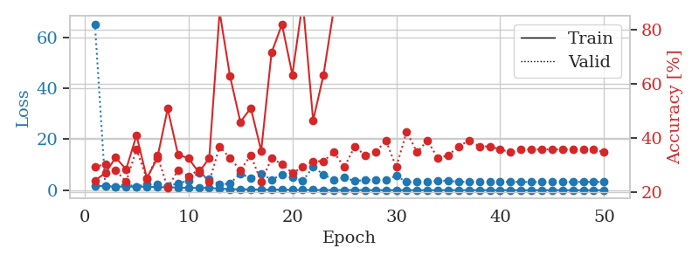
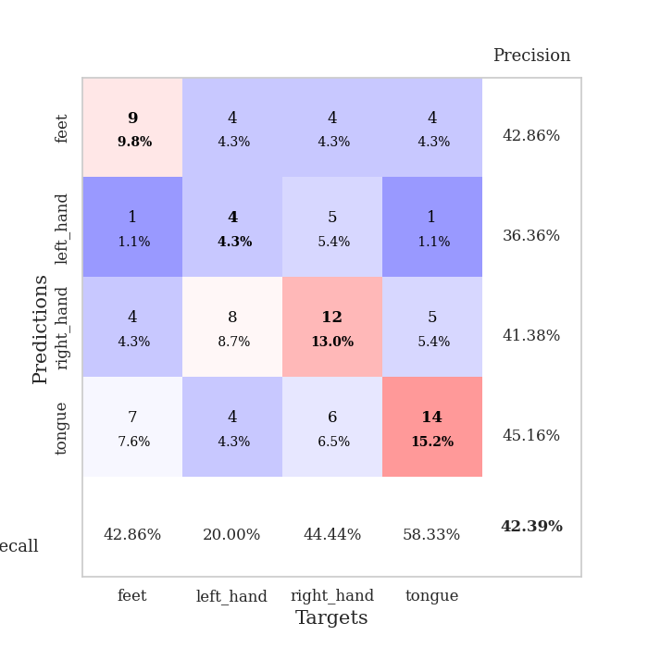
train_loss | valid_loss | train_accuracy | valid_accuracy | dur | train_misclass | valid_misclass
1.7739579159 | 65.257969234 | 0.24456521739 | 0.29347826087 | 1.1537680626 | 24.456521739 | 29.347826087
1.5573648318 | 1.5894064385 | 0.27173913043 | 0.30434782609 | 1.146945715 | 27.173913043 | 30.434782609
1.3861053405 | 1.4367760627 | 0.32880434783 | 0.28260869565 | 1.1462976933 | 32.880434783 | 28.260869565
1.3834834358 | 2.2612245031 | 0.28532608696 | 0.23913043478 | 1.1486911774 | 28.532608696 | 23.913043478
1.3741899781 | 1.4204652206 | 0.41032608696 | 0.35869565217 | 1.1482272148 | 41.032608696 | 35.869565217
1.3139452649 | 2.370746654 | 0.2527173913 | 0.25 | 1.1489832401 | 25.27173913 | 25
1.216931921 | 2.3076553241 | 0.32608695652 | 0.33695652174 | 1.1488263607 | 32.608695652 | 33.695652174
1.1193779862 | 1.6063291923 | 0.50815217391 | 0.21739130435 | 1.1487131119 | 50.815217391 | 21.739130435
1.0250070691 | 2.6403801441 | 0.33967391304 | 0.28260869565 | 1.1487491131 | 33.967391304 | 28.260869565
0.91092824677 | 3.7826046114 | 0.32608695652 | 0.26086956522 | 1.1493315697 | 32.608695652 | 26.086956522
0.87597671281 | 6.8654178951 | 0.27445652174 | 0.28260869565 | 1.1496603489 | 27.445652174 | 28.260869565
0.85547437616 | 4.5014223845 | 0.32608695652 | 0.23913043478 | 1.149379015 | 32.608695652 | 23.913043478
0.63395661116 | 2.1662095111 | 0.86413043478 | 0.36956521739 | 1.1492915154 | 86.413043478 | 36.956521739
0.40948811562 | 2.6896993907 | 0.6277173913 | 0.32608695652 | 1.1501367092 | 62.77173913 | 32.608695652
0.33347371285 | 6.519143457 | 0.45923913043 | 0.28260869565 | 1.148837328 | 45.923913043 | 28.260869565
0.31492974965 | 4.6908666155 | 0.51086956522 | 0.33695652174 | 1.1495637894 | 51.086956522 | 33.695652174
0.21081047805 | 6.3004536836 | 0.35326086957 | 0.23913043478 | 1.1493458748 | 35.326086957 | 23.913043478
0.1595183687 | 4.1936001778 | 0.71467391304 | 0.32608695652 | 1.1502096653 | 71.467391304 | 32.608695652
0.23828219626 | 5.9843912747 | 0.81793478261 | 0.30434782609 | 1.1497211456 | 81.793478261 | 30.434782609
0.088792636181 | 4.9232990638 | 0.63315217391 | 0.27173913043 | 1.150908947 | 63.315217391 | 27.173913043
0.09021423506 | 3.6926457364 | 0.90217391304 | 0.29347826087 | 1.1499712467 | 90.217391304 | 29.347826087
0.091661839665 | 9.1098760729 | 0.46467391304 | 0.3152173913 | 1.1506609917 | 46.467391304 | 31.52173913
0.061634584138 | 6.1657760869 | 0.63315217391 | 0.3152173913 | 1.1494112015 | 63.315217391 | 31.52173913
0.041220807096 | 4.0895015779 | 0.8777173913 | 0.34782608696 | 1.1507022381 | 87.77173913 | 34.782608696
0.065435434266 | 4.9082113142 | 0.97554347826 | 0.29347826087 | 1.1501426697 | 97.554347826 | 29.347826087
0.065964355619 | 3.6020848025 | 0.97010869565 | 0.36956521739 | 1.150993824 | 97.010869565 | 36.956521739
0.023937846919 | 3.9839633237 | 0.98369565217 | 0.33695652174 | 1.1508231163 | 98.369565217 | 33.695652174
0.033667538902 | 4.0213462373 | 0.99456521739 | 0.34782608696 | 1.1497635841 | 99.456521739 | 34.782608696
0.022999679756 | 4.0329495306 | 0.96739130435 | 0.39130434783 | 1.1506512165 | 96.739130435 | 39.130434783
0.031135625788 | 5.6410180175 | 0.875 | 0.29347826087 | 1.1505017281 | 87.5 | 29.347826087
0.01085498375 | 3.1715420122 | 1 | 0.42391304348 | 1.1500923634 | 100 | 42.391304348
0.021805996027 | 3.2420253857 | 1 | 0.34782608696 | 1.1497883797 | 100 | 34.782608696
0.010769562277 | 3.1993099088 | 0.9972826087 | 0.39130434783 | 1.1487469673 | 99.72826087 | 39.130434783
0.011114213862 | 3.6088888127 | 1 | 0.32608695652 | 1.1502959728 | 100 | 32.608695652
0.015482450322 | 3.7469301846 | 1 | 0.33695652174 | 1.1498389244 | 100 | 33.695652174
0.0046077527577 | 3.2713054159 | 1 | 0.36956521739 | 1.1495361328 | 100 | 36.956521739
0.0052000559264 | 3.238670743 | 1 | 0.39130434783 | 1.1497700214 | 100 | 39.130434783
0.0048012624674 | 3.2782501345 | 1 | 0.36956521739 | 1.1507470608 | 100 | 36.956521739
0.017108413157 | 3.1936979294 | 1 | 0.36956521739 | 1.1505637169 | 100 | 36.956521739
0.0013379294358 | 3.2849469185 | 1 | 0.35869565217 | 1.1501271725 | 100 | 35.869565217
0.0026002911093 | 3.2629592108 | 1 | 0.34782608696 | 1.1504256725 | 100 | 34.782608696
0.0015764724446 | 3.2247618489 | 1 | 0.35869565217 | 1.1508042812 | 100 | 35.869565217
0.0047076789785 | 3.215252472 | 1 | 0.35869565217 | 1.1512904167 | 100 | 35.869565217
0.013089123674 | 3.2131217148 | 1 | 0.35869565217 | 1.1505248547 | 100 | 35.869565217
0.0018886580947 | 3.2416879094 | 1 | 0.35869565217 | 1.150531292 | 100 | 35.869565217
0.0057780530605 | 3.208708193 | 1 | 0.35869565217 | 1.1500980854 | 100 | 35.869565217
0.0021082726991 | 3.2029822391 | 1 | 0.35869565217 | 1.1511900425 | 100 | 35.869565217
0.0014789891771 | 3.2353942291 | 1 | 0.35869565217 | 1.1504328251 | 100 | 35.869565217
0.0041050203436 | 3.2279810283 | 1 | 0.35869565217 | 1.1519360542 | 100 | 35.869565217
0.0048232594886 | 3.2517754721 | 1 | 0.34782608696 | 1.1514599323 | 100 | 34.782608696

Best Val accuracy is 0.42391304347826086 and Best test accuracy is 0.3620689655172414

Sheet9
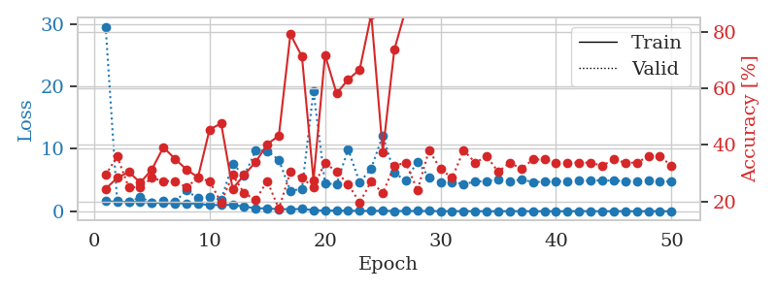
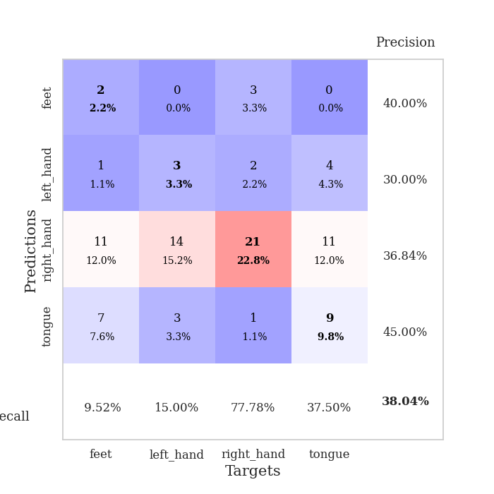
train_loss | valid_loss | train_accuracy | valid_accuracy | dur | train_misclass | valid_misclass
1.6032545359 | 29.581331916 | 0.24456521739 | 0.29347826087 | 1.1518442631 | 24.456521739 | 29.347826087
1.5164749363 | 1.640276261 | 0.28260869565 | 0.35869565217 | 1.147308588 | 28.260869565 | 35.869565217
1.4661215492 | 1.4481206148 | 0.30434782609 | 0.25 | 1.1469142437 | 30.434782609 | 25
1.4888931306 | 2.2670816546 | 0.26630434783 | 0.25 | 1.1486444473 | 26.630434783 | 25
1.385262225 | 1.3997620862 | 0.3125 | 0.28260869565 | 1.1490316391 | 31.25 | 28.260869565
1.3051749105 | 1.6555558858 | 0.39130434783 | 0.27173913043 | 1.1482648849 | 39.130434783 | 27.173913043
1.2558253796 | 1.5102036466 | 0.35054347826 | 0.27173913043 | 1.1477484703 | 35.054347826 | 27.173913043
1.2631180597 | 3.323218667 | 0.3125 | 0.25 | 1.1484055519 | 31.25 | 25
1.191842937 | 2.071691596 | 0.28532608696 | 0.28260869565 | 1.1482694149 | 28.532608696 | 28.260869565
0.98348643728 | 2.3090003159 | 0.45380434783 | 0.27173913043 | 1.1481492519 | 45.380434783 | 27.173913043
1.0080230625 | 1.8259747288 | 0.47554347826 | 0.19565217391 | 1.1486883163 | 47.554347826 | 19.565217391
1.0140661079 | 7.5806683457 | 0.24456521739 | 0.29347826087 | 1.1484546661 | 24.456521739 | 29.347826087
0.73161612905 | 5.7319796604 | 0.29347826087 | 0.22826086957 | 1.1499257088 | 29.347826087 | 22.826086957
0.48096288417 | 9.72286299 | 0.33967391304 | 0.20652173913 | 1.1489093304 | 33.967391304 | 20.652173913
0.45478999809 | 9.6772685258 | 0.40217391304 | 0.27173913043 | 1.1486799717 | 40.217391304 | 27.173913043
0.32742671604 | 8.2141782719 | 0.43206521739 | 0.17391304348 | 1.1489727497 | 43.206521739 | 17.391304348
0.33641763226 | 3.2866662482 | 0.79076086957 | 0.30434782609 | 1.1489014626 | 79.076086957 | 30.434782609
0.3567854166 | 3.5817553997 | 0.71195652174 | 0.28260869565 | 1.1493165493 | 71.195652174 | 28.260869565
0.18743078362 | 19.280447504 | 0.27445652174 | 0.25 | 1.1498894691 | 27.445652174 | 25
0.087140934663 | 4.4251669075 | 0.71739130435 | 0.33695652174 | 1.1499948502 | 71.739130435 | 33.695652174
0.13392121499 | 4.3557997268 | 0.58152173913 | 0.30434782609 | 1.1497125626 | 58.152173913 | 30.434782609
0.071149972551 | 9.9201646058 | 0.63043478261 | 0.26086956522 | 1.1506149769 | 63.043478261 | 26.086956522
0.071883991401 | 4.5856367816 | 0.66576086957 | 0.19565217391 | 1.1497879028 | 66.576086957 | 19.565217391
0.05232994639 | 6.8729458685 | 0.86141304348 | 0.27173913043 | 1.1492543221 | 86.141304348 | 27.173913043
0.085340900266 | 12.145976564 | 0.375 | 0.22826086957 | 1.149340868 | 37.5 | 22.826086957
0.038550102486 | 6.1157767876 | 0.73641304348 | 0.32608695652 | 1.1498985291 | 73.641304348 | 32.608695652
0.049519404101 | 4.9260917539 | 0.88043478261 | 0.33695652174 | 1.1499607563 | 88.043478261 | 33.695652174
0.041926454419 | 7.9648519184 | 0.91032608696 | 0.23913043478 | 1.149793148 | 91.032608696 | 23.913043478
0.046426777181 | 5.4607260331 | 0.95108695652 | 0.38043478261 | 1.1504137516 | 95.108695652 | 38.043478261
0.013500571848 | 4.6750329266 | 1 | 0.3152173913 | 1.1510467529 | 100 | 31.52173913
0.019054287235 | 4.702334715 | 0.9972826087 | 0.28260869565 | 1.1492874622 | 99.72826087 | 28.260869565
0.012151055962 | 4.3465081298 | 1 | 0.38043478261 | 1.1507644653 | 100 | 38.043478261
0.01599098163 | 4.7526335716 | 1 | 0.33695652174 | 1.1496109962 | 100 | 33.695652174
0.0040311486835 | 4.8491278317 | 1 | 0.35869565217 | 1.1510922909 | 100 | 35.869565217
0.008434657296 | 5.1019503552 | 1 | 0.30434782609 | 1.149944067 | 100 | 30.434782609
0.0082659565068 | 4.8108285614 | 1 | 0.33695652174 | 1.1503565311 | 100 | 33.695652174
0.012675814973 | 5.0825775603 | 1 | 0.3152173913 | 1.1512334347 | 100 | 31.52173913
0.0063328322051 | 4.6655382488 | 1 | 0.34782608696 | 1.1501815319 | 100 | 34.782608696
0.0056373652921 | 4.7325572138 | 1 | 0.34782608696 | 1.1514856815 | 100 | 34.782608696
0.0034732467371 | 4.7747393691 | 1 | 0.33695652174 | 1.1509282589 | 100 | 33.695652174
0.00316395512 | 4.8550960707 | 1 | 0.33695652174 | 1.1521172523 | 100 | 33.695652174
0.026581005811 | 4.8707027643 | 1 | 0.33695652174 | 1.1513860226 | 100 | 33.695652174
0.0065801339009 | 4.9021680459 | 1 | 0.33695652174 | 1.1518340111 | 100 | 33.695652174
0.0084114216595 | 4.9398413741 | 1 | 0.32608695652 | 1.1518876553 | 100 | 32.608695652
0.0089198019287 | 4.8908526172 | 1 | 0.34782608696 | 1.1517114639 | 100 | 34.782608696
0.0079691583713 | 4.8465780175 | 1 | 0.33695652174 | 1.1521990299 | 100 | 33.695652174
0.0028389714109 | 4.8326251818 | 1 | 0.33695652174 | 1.1515722275 | 100 | 33.695652174
0.014933495986 | 4.9239614114 | 1 | 0.35869565217 | 1.1516151428 | 100 | 35.869565217
0.0056921314668 | 4.7777616459 | 1 | 0.35869565217 | 1.1513187885 | 100 | 35.869565217
0.0056767223679 | 4.7914510395 | 1 | 0.32608695652 | 1.1513078213 | 100 | 32.608695652

Best Val accuracy is 0.3804347826086957 and Best test accuracy is 0.3017241379310345

Sheet10
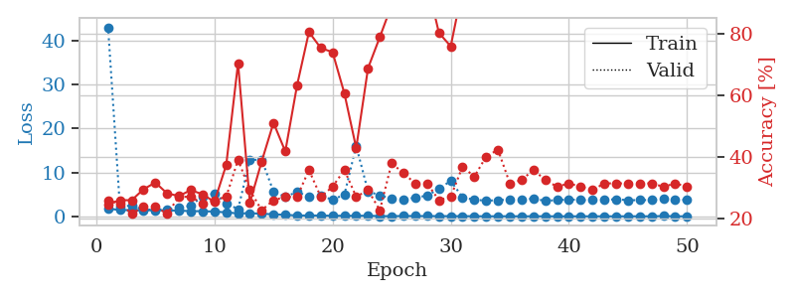
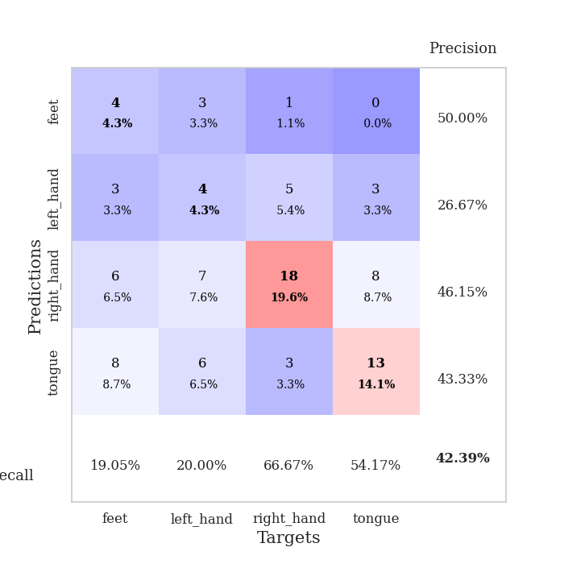
train_loss | valid_loss | train_accuracy | valid_accuracy | dur | train_misclass | valid_misclass
1.7369466243 | 43.091557461 | 0.2472826087 | 0.26086956522 | 1.1501808167 | 24.72826087 | 26.086956522
1.4421590618 | 2.2945565193 | 0.26086956522 | 0.25 | 1.147115469 | 26.086956522 | 25
1.4024468038 | 2.414457995 | 0.26086956522 | 0.21739130435 | 1.1474044323 | 26.086956522 | 21.739130435
1.3734557629 | 1.4763382362 | 0.29619565217 | 0.23913043478 | 1.1475124359 | 29.619565217 | 23.913043478
1.4043399769 | 1.552073401 | 0.31793478261 | 0.23913043478 | 1.1481370926 | 31.793478261 | 23.913043478
1.3408451599 | 1.5696889421 | 0.28260869565 | 0.21739130435 | 1.1486458778 | 28.260869565 | 21.739130435
1.3039305806 | 1.8858495847 | 0.27445652174 | 0.27173913043 | 1.1478552818 | 27.445652174 | 27.173913043
1.171536202 | 2.4503494449 | 0.29347826087 | 0.27173913043 | 1.1503400803 | 29.347826087 | 27.173913043
1.1728006912 | 4.5592089321 | 0.27989130435 | 0.25 | 1.1475331783 | 27.989130435 | 25
1.0732322387 | 5.2044455072 | 0.25543478261 | 0.26086956522 | 1.1497929096 | 25.543478261 | 26.086956522
0.89692231624 | 2.999446589 | 0.375 | 0.27173913043 | 1.1484503746 | 37.5 | 27.173913043
0.66285380851 | 1.6208677447 | 0.70380434783 | 0.39130434783 | 1.1487622261 | 70.380434783 | 39.130434783
0.710440843 | 12.850100828 | 0.2527173913 | 0.29347826087 | 1.1495146751 | 25.27173913 | 29.347826087
0.59034518444 | 12.924229456 | 0.38586956522 | 0.22826086957 | 1.1478862762 | 38.586956522 | 22.826086957
0.4526794352 | 5.649123565 | 0.51086956522 | 0.26086956522 | 1.1517856121 | 51.086956522 | 26.086956522
0.33818302433 | 4.461030929 | 0.41847826087 | 0.27173913043 | 1.1500473022 | 41.847826087 | 27.173913043
0.18323720311 | 5.5396419401 | 0.63315217391 | 0.27173913043 | 1.1514799595 | 63.315217391 | 27.173913043
0.18899129137 | 4.5223590809 | 0.80434782609 | 0.35869565217 | 1.1506376266 | 80.434782609 | 35.869565217
0.17842764594 | 4.6268654284 | 0.7527173913 | 0.27173913043 | 1.1516366005 | 75.27173913 | 27.173913043
0.1253358529 | 3.8009118516 | 0.73913043478 | 0.30434782609 | 1.1506156921 | 73.913043478 | 30.434782609
0.12220989135 | 4.9263816813 | 0.60597826087 | 0.35869565217 | 1.1509108543 | 60.597826087 | 35.869565217
0.12042011677 | 16.053840223 | 0.42934782609 | 0.27173913043 | 1.1509726048 | 42.934782609 | 27.173913043
0.13993295703 | 5.6909327922 | 0.6875 | 0.29347826087 | 1.1511409283 | 68.75 | 29.347826087
0.047896966338 | 4.7786448727 | 0.78804347826 | 0.22826086957 | 1.1514940262 | 78.804347826 | 22.826086957
0.033330595809 | 4.0125980481 | 0.89130434783 | 0.38043478261 | 1.1516165733 | 89.130434783 | 38.043478261
0.082358161332 | 3.8641200999 | 0.99456521739 | 0.34782608696 | 1.1513712406 | 99.456521739 | 34.782608696
0.062454505419 | 4.2467563256 | 0.98913043478 | 0.3152173913 | 1.1515738964 | 98.913043478 | 31.52173913
0.059402653624 | 4.7240772662 | 0.96467391304 | 0.3152173913 | 1.1510388851 | 96.467391304 | 31.52173913
0.045345363076 | 6.2490086763 | 0.80163043478 | 0.26086956522 | 1.1516160965 | 80.163043478 | 26.086956522
0.040102113403 | 8.0930625252 | 0.75815217391 | 0.27173913043 | 1.1511015892 | 75.815217391 | 27.173913043
0.033463003911 | 4.3126155294 | 0.94565217391 | 0.36956521739 | 1.1510541439 | 94.565217391 | 36.956521739
0.023416245771 | 3.7783456678 | 1 | 0.33695652174 | 1.151248455 | 100 | 33.695652174
0.0085159540126 | 3.5671079366 | 1 | 0.40217391304 | 1.1516592503 | 100 | 40.217391304
0.011180758499 | 3.6746873441 | 0.9972826087 | 0.42391304348 | 1.1511759758 | 99.72826087 | 42.391304348
0.01718376877 | 3.8350611148 | 1 | 0.3152173913 | 1.1501383781 | 100 | 31.52173913
0.0044685900971 | 3.8786391175 | 1 | 0.32608695652 | 1.1505765915 | 100 | 32.608695652
0.011452580584 | 4.0014621071 | 1 | 0.35869565217 | 1.1518764496 | 100 | 35.869565217
0.011468594698 | 3.5348998464 | 1 | 0.32608695652 | 1.1509070396 | 100 | 32.608695652
0.002756674526 | 3.686901134 | 1 | 0.30434782609 | 1.1514880657 | 100 | 30.434782609
0.0032036427646 | 3.8336676722 | 1 | 0.3152173913 | 1.1513354778 | 100 | 31.52173913
0.0028120596784 | 3.6974544732 | 1 | 0.30434782609 | 1.1519975662 | 100 | 30.434782609
0.0077288970857 | 3.6835606305 | 1 | 0.29347826087 | 1.1514980793 | 100 | 29.347826087
0.0031861651831 | 3.7595611033 | 1 | 0.3152173913 | 1.1518368721 | 100 | 31.52173913
0.0041118715966 | 3.8923301282 | 1 | 0.3152173913 | 1.1515715122 | 100 | 31.52173913
0.0026953933968 | 3.6746342908 | 1 | 0.3152173913 | 1.1524009705 | 100 | 31.52173913
0.0064290490194 | 3.6834486671 | 1 | 0.3152173913 | 1.1530196667 | 100 | 31.52173913
0.0056097144033 | 3.7286310818 | 1 | 0.3152173913 | 1.1516778469 | 100 | 31.52173913
0.068692086659 | 3.9769749849 | 1 | 0.30434782609 | 1.151651144 | 100 | 30.434782609
0.0050597216911 | 3.8008638465 | 1 | 0.3152173913 | 1.1515769958 | 100 | 31.52173913
0.0054235995219 | 3.7243549927 | 1 | 0.30434782609 | 1.152122736 | 100 | 30.434782609

Best Val accuracy is 0.42391304347826086 and Best test accuracy is 0.3879310344827586

