Sheet
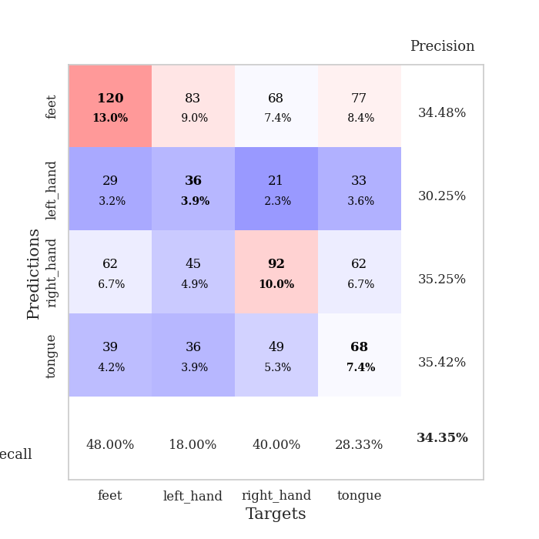
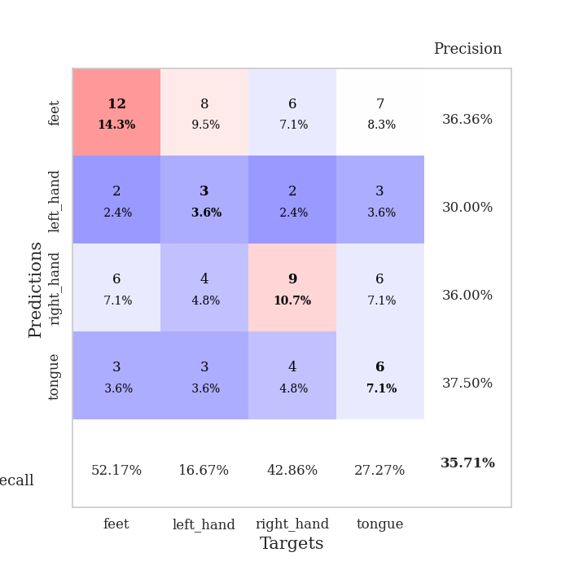
best_val_acc | best_val_los | best_test_acc
0.35869565217 | 1.4771331497 | 0.37068965517
0.36956521739 | 1.4393496306 | 0.31896551724
0.34782608696 | 1.419780923 | 0.26724137931
0.32608695652 | 1.4762911382 | 0.30172413793
0.38043478261 | 1.4566365584 | 0.25862068966
0.32608695652 | 1.3715543073 | 0.28448275862
0.30434782609 | 1.3851296539 | 0.37068965517
0.30434782609 | 1.4182558319 | 0.25
0.35869565217 | 1.4228513811 | 0.25862068966
0.35869565217 | 1.4394138118 | 0.38793103448

Mean,std Val accuracy is 0.34347826086956523 , 0.026723317267515607 and mean, std test accuracy is 0.30689655172413793 , 0.0525477216122412

Sheet1
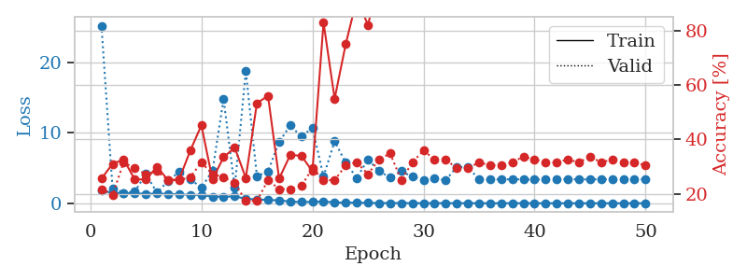
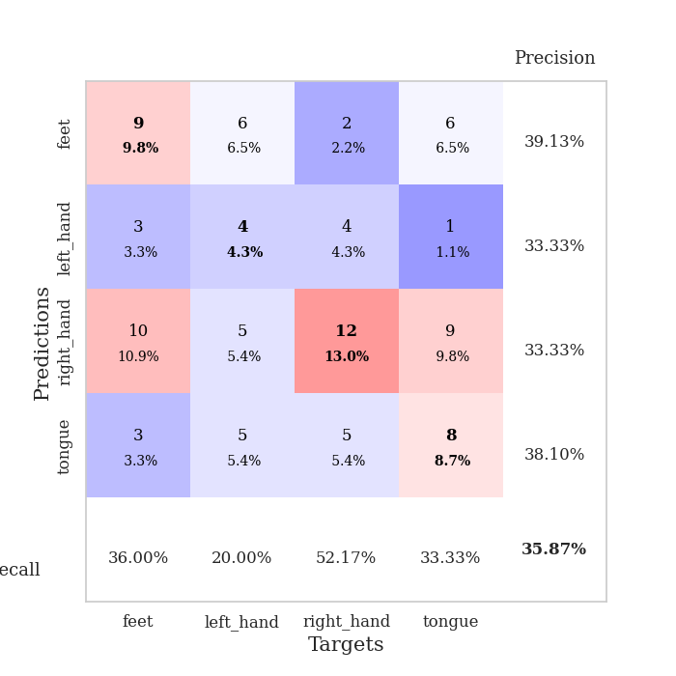
train_loss | valid_loss | train_accuracy | valid_accuracy | dur | train_misclass | valid_misclass
1.8424735691 | 25.178150923 | 0.25543478261 | 0.21739130435 | 1.1505656242 | 25.543478261 | 21.739130435
1.4558029123 | 2.1346061852 | 0.3097826087 | 0.19565217391 | 1.1481809616 | 30.97826087 | 19.565217391
1.4295819531 | 1.4771331497 | 0.32608695652 | 0.3152173913 | 1.1501357555 | 32.608695652 | 31.52173913
1.3942569961 | 1.6432498797 | 0.2527173913 | 0.29347826087 | 1.1493237019 | 25.27173913 | 29.347826087
1.3400704291 | 4.1472128785 | 0.2527173913 | 0.27173913043 | 1.1500487328 | 25.27173913 | 27.173913043
1.3630988909 | 1.5053930853 | 0.29891304348 | 0.28260869565 | 1.1501233578 | 29.891304348 | 28.260869565
1.312651572 | 3.1544224283 | 0.25 | 0.25 | 1.1495046616 | 25 | 25
1.2709545415 | 4.4569614867 | 0.2527173913 | 0.25 | 1.1510717869 | 25.27173913 | 25
1.1795070949 | 3.3982703478 | 0.35869565217 | 0.26086956522 | 1.1499307156 | 35.869565217 | 26.086956522
1.1777717186 | 2.2177730436 | 0.45108695652 | 0.3152173913 | 1.1498265266 | 45.108695652 | 31.52173913
0.94302337584 | 4.5812262452 | 0.2527173913 | 0.27173913043 | 1.1497535706 | 25.27173913 | 27.173913043
0.92933535835 | 14.797499035 | 0.33423913043 | 0.26086956522 | 1.1498360634 | 33.423913043 | 26.086956522
0.976056568 | 2.2068494196 | 0.36956521739 | 0.23913043478 | 1.1494898796 | 36.956521739 | 23.913043478
0.63320619904 | 18.749228519 | 0.25815217391 | 0.17391304348 | 1.1509518623 | 25.815217391 | 17.391304348
0.54911573814 | 3.8352824501 | 0.53260869565 | 0.17391304348 | 1.1505997181 | 53.260869565 | 17.391304348
0.46322130768 | 4.5100003118 | 0.5597826087 | 0.25 | 1.1505632401 | 55.97826087 | 25
0.41475815423 | 8.6735101368 | 0.25543478261 | 0.21739130435 | 1.1501147747 | 25.543478261 | 21.739130435
0.23028642684 | 11.040666331 | 0.34239130435 | 0.21739130435 | 1.1512563229 | 34.239130435 | 21.739130435
0.17126766754 | 9.4355312638 | 0.33967391304 | 0.22826086957 | 1.1501471996 | 33.967391304 | 22.826086957
0.19896011937 | 10.711271079 | 0.28260869565 | 0.29347826087 | 1.1503038406 | 28.260869565 | 29.347826087
0.23913745031 | 3.8018980648 | 0.82880434783 | 0.25 | 1.150386095 | 82.880434783 | 25
0.12757510749 | 8.7994471426 | 0.54891304348 | 0.25 | 1.1510710716 | 54.891304348 | 25
0.074924001126 | 5.7249713359 | 0.75 | 0.30434782609 | 1.1509549618 | 75 | 30.434782609
0.096080755612 | 3.6043634 | 0.91576086957 | 0.3152173913 | 1.1505289078 | 91.576086957 | 31.52173913
0.043540964662 | 6.2127994247 | 0.82065217391 | 0.27173913043 | 1.150560379 | 82.065217391 | 27.173913043
0.028479196739 | 4.5793392969 | 0.97826086957 | 0.32608695652 | 1.1506650448 | 97.826086957 | 32.608695652
0.027543531999 | 3.6209996887 | 0.94293478261 | 0.34782608696 | 1.1524438858 | 94.293478261 | 34.782608696
0.028313971276 | 4.5400186414 | 0.98641304348 | 0.25 | 1.1510295868 | 98.641304348 | 25
0.018633600896 | 3.7594355086 | 1 | 0.3152173913 | 1.1507759094 | 100 | 31.52173913
0.0073759857585 | 3.2900870365 | 1 | 0.35869565217 | 1.1509613991 | 100 | 35.869565217
0.012305240552 | 3.510881652 | 1 | 0.32608695652 | 1.1508440971 | 100 | 32.608695652
0.010605907718 | 3.2587813294 | 1 | 0.32608695652 | 1.1498098373 | 100 | 32.608695652
0.012229194565 | 5.1551588722 | 0.98641304348 | 0.29347826087 | 1.1511456966 | 98.641304348 | 29.347826087
0.010663210297 | 5.0993538732 | 0.97282608696 | 0.29347826087 | 1.151214838 | 97.282608696 | 29.347826087
0.0066507676054 | 3.4251158134 | 1 | 0.3152173913 | 1.1508183479 | 100 | 31.52173913
0.0078043184742 | 3.3880773835 | 1 | 0.30434782609 | 1.151340723 | 100 | 30.434782609
0.0033359982367 | 3.3719106135 | 1 | 0.30434782609 | 1.1508340836 | 100 | 30.434782609
0.0087630225943 | 3.3989653587 | 1 | 0.3152173913 | 1.151017189 | 100 | 31.52173913
0.0079067786282 | 3.3827193924 | 1 | 0.33695652174 | 1.151570797 | 100 | 33.695652174
0.004657010601 | 3.3421081253 | 1 | 0.32608695652 | 1.1511571407 | 100 | 32.608695652
0.0017860074984 | 3.4044850598 | 1 | 0.3152173913 | 1.1520223618 | 100 | 31.52173913
0.0061176660567 | 3.3759687672 | 1 | 0.3152173913 | 1.1520142555 | 100 | 31.52173913
0.008012209688 | 3.4272262532 | 1 | 0.32608695652 | 1.1514005661 | 100 | 32.608695652
0.0018062907184 | 3.3712063043 | 1 | 0.3152173913 | 1.1518268585 | 100 | 31.52173913
0.0017658300905 | 3.3924209139 | 1 | 0.33695652174 | 1.1518015862 | 100 | 33.695652174
0.0014646061372 | 3.3963736659 | 1 | 0.3152173913 | 1.1520931721 | 100 | 31.52173913
0.0036343003702 | 3.3916523768 | 1 | 0.32608695652 | 1.1524751186 | 100 | 32.608695652
0.0021638941442 | 3.3901061804 | 1 | 0.3152173913 | 1.1532588005 | 100 | 31.52173913
0.0020441798355 | 3.3962903437 | 1 | 0.3152173913 | 1.151920557 | 100 | 31.52173913
0.0030467711015 | 3.4064136588 | 1 | 0.30434782609 | 1.1510863304 | 100 | 30.434782609

Best Val accuracy is 0.358695652173913 and Best test accuracy is 0.3706896551724138

Sheet2
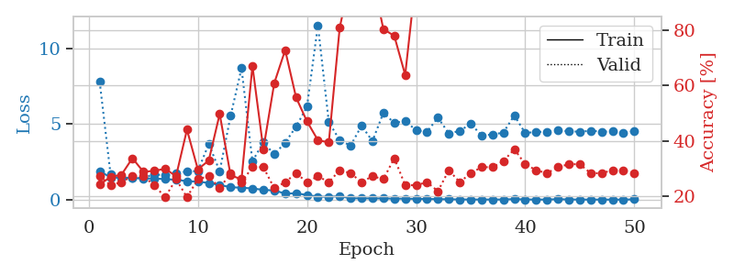
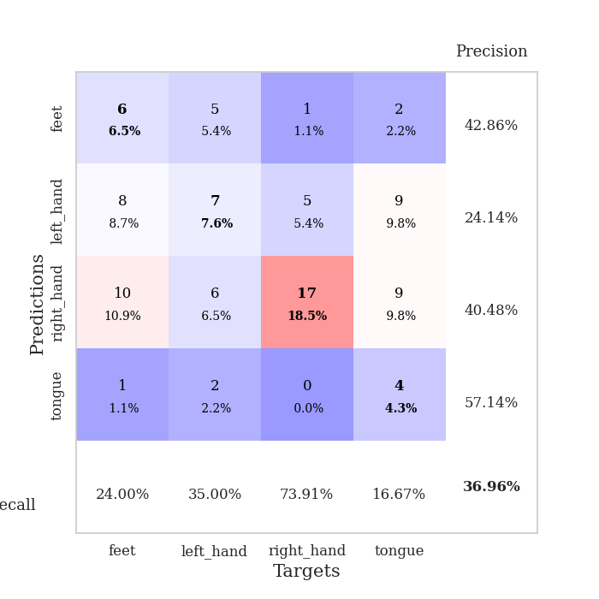
train_loss | valid_loss | train_accuracy | valid_accuracy | dur | train_misclass | valid_misclass
1.8944151039 | 7.8046141293 | 0.24184782609 | 0.27173913043 | 1.1501867771 | 24.184782609 | 27.173913043
1.4671422813 | 1.659569476 | 0.26902173913 | 0.23913043478 | 1.1479258537 | 26.902173913 | 23.913043478
1.4558576708 | 1.5044234991 | 0.27717391304 | 0.25 | 1.1482620239 | 27.717391304 | 25
1.436247157 | 1.4393496306 | 0.33695652174 | 0.27173913043 | 1.1495213509 | 33.695652174 | 27.173913043
1.3945277048 | 1.448157041 | 0.28804347826 | 0.27173913043 | 1.1487720013 | 28.804347826 | 27.173913043
1.407948468 | 1.6684794996 | 0.29076086957 | 0.23913043478 | 1.1487452984 | 29.076086957 | 23.913043478
1.3554568343 | 1.6129825219 | 0.29891304348 | 0.19565217391 | 1.1482703686 | 29.891304348 | 19.565217391
1.3171071643 | 1.7249861956 | 0.27173913043 | 0.26086956522 | 1.1510338783 | 27.173913043 | 26.086956522
1.224387993 | 1.882720968 | 0.4402173913 | 0.19565217391 | 1.1493742466 | 44.02173913 | 19.565217391
1.1930789792 | 1.8827012466 | 0.29619565217 | 0.26086956522 | 1.1502027512 | 29.619565217 | 26.086956522
1.1054361307 | 3.6981081237 | 0.32880434783 | 0.27173913043 | 1.1504042149 | 32.880434783 | 27.173913043
0.97103153104 | 1.8732370397 | 0.4972826087 | 0.22826086957 | 1.1506340504 | 49.72826087 | 22.826086957
0.82482319293 | 5.5464638834 | 0.27445652174 | 0.28260869565 | 1.1502799988 | 27.445652174 | 28.260869565
0.78979806408 | 8.6950313941 | 0.26086956522 | 0.25 | 1.1516239643 | 26.086956522 | 25
0.74372756352 | 2.5400427787 | 0.67119565217 | 0.30434782609 | 1.1507565975 | 67.119565217 | 30.434782609
0.6471795673 | 3.7935165322 | 0.36956521739 | 0.30434782609 | 1.1528568268 | 36.956521739 | 30.434782609
0.60716230973 | 3.00472528 | 0.60869565217 | 0.22826086957 | 1.1498661041 | 60.869565217 | 22.826086957
0.4039870222 | 3.7686594776 | 0.72826086957 | 0.25 | 1.1505749226 | 72.826086957 | 25
0.42119495085 | 4.8316711447 | 0.55706521739 | 0.28260869565 | 1.1508471966 | 55.706521739 | 28.260869565
0.30977248238 | 6.1452872857 | 0.47010869565 | 0.25 | 1.1510145664 | 47.010869565 | 25
0.19536897427 | 11.543219774 | 0.40217391304 | 0.27173913043 | 1.1504039764 | 40.217391304 | 27.173913043
0.19057015751 | 5.1280522554 | 0.39402173913 | 0.25 | 1.1507043839 | 39.402173913 | 25
0.22652514603 | 3.9338127634 | 0.8097826087 | 0.29347826087 | 1.1502904892 | 80.97826087 | 29.347826087
0.090128926884 | 3.5733766452 | 0.99456521739 | 0.28260869565 | 1.1512570381 | 99.456521739 | 28.260869565
0.089935890642 | 4.8945510076 | 0.96467391304 | 0.25 | 1.150919199 | 96.467391304 | 25
0.084139569784 | 3.8754574009 | 0.99184782609 | 0.27173913043 | 1.1513228416 | 99.184782609 | 27.173913043
0.082670972885 | 5.7549547942 | 0.80434782609 | 0.26086956522 | 1.1520578861 | 80.434782609 | 26.086956522
0.069919540162 | 5.0720694791 | 0.77989130435 | 0.33695652174 | 1.1514942646 | 77.989130435 | 33.695652174
0.068212587953 | 5.2173212507 | 0.63858695652 | 0.23913043478 | 1.1515467167 | 63.858695652 | 23.913043478
0.05394861671 | 4.5854002704 | 0.9972826087 | 0.23913043478 | 1.1503691673 | 99.72826087 | 23.913043478
0.044143918912 | 4.4917039457 | 0.9972826087 | 0.25 | 1.1510286331 | 99.72826087 | 25
0.036364471692 | 5.4301552565 | 0.98641304348 | 0.21739130435 | 1.1509304047 | 98.641304348 | 21.739130435
0.021362778164 | 4.3784979115 | 1 | 0.29347826087 | 1.150739193 | 100 | 29.347826087
0.017389630666 | 4.5498231598 | 1 | 0.25 | 1.1515548229 | 100 | 25
0.0077825200683 | 5.018306048 | 1 | 0.28260869565 | 1.1523368359 | 100 | 28.260869565
0.011149205116 | 4.2586019557 | 1 | 0.30434782609 | 1.1514847279 | 100 | 30.434782609
0.0091548611147 | 4.3063044133 | 1 | 0.30434782609 | 1.1525352001 | 100 | 30.434782609
0.011246062891 | 4.4429020882 | 1 | 0.32608695652 | 1.151799202 | 100 | 32.608695652
0.037227996949 | 5.5750868424 | 1 | 0.36956521739 | 1.1526856422 | 100 | 36.956521739
0.014505756928 | 4.4053233188 | 1 | 0.3152173913 | 1.1511852741 | 100 | 31.52173913
0.005936227377 | 4.4917128812 | 1 | 0.29347826087 | 1.1509518623 | 100 | 29.347826087
0.008309094048 | 4.4783924559 | 1 | 0.28260869565 | 1.1524679661 | 100 | 28.260869565
0.030194203726 | 4.5738037358 | 1 | 0.30434782609 | 1.1519198418 | 100 | 30.434782609
0.0134351966 | 4.5303068783 | 1 | 0.3152173913 | 1.1518549919 | 100 | 31.52173913
0.0082457252049 | 4.4925384107 | 1 | 0.3152173913 | 1.151900053 | 100 | 31.52173913
0.0051704034381 | 4.5628133857 | 1 | 0.28260869565 | 1.1525776386 | 100 | 28.260869565
0.0063879585865 | 4.4996421233 | 1 | 0.28260869565 | 1.1523792744 | 100 | 28.260869565
0.0048403344826 | 4.5098381664 | 1 | 0.29347826087 | 1.1524784565 | 100 | 29.347826087
0.0040636851842 | 4.4216486164 | 1 | 0.29347826087 | 1.1520473957 | 100 | 29.347826087
0.019233560053 | 4.538175189 | 1 | 0.28260869565 | 1.1525549889 | 100 | 28.260869565

Best Val accuracy is 0.3695652173913043 and Best test accuracy is 0.31896551724137934

Sheet3
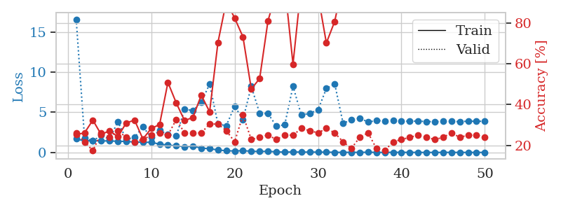
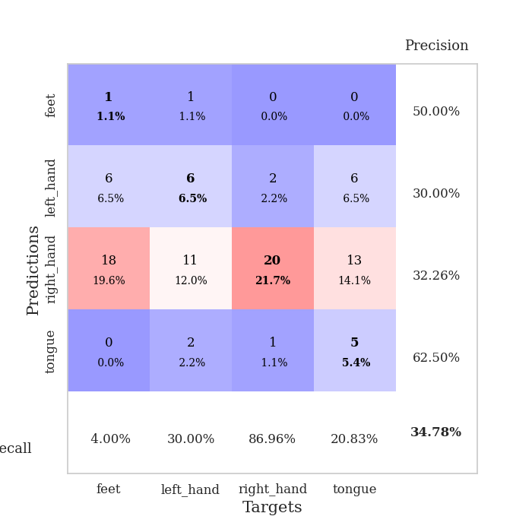
train_loss | valid_loss | train_accuracy | valid_accuracy | dur | train_misclass | valid_misclass
1.6814135728 | 16.572017628 | 0.2527173913 | 0.26086956522 | 1.1512117386 | 25.27173913 | 26.086956522
1.4373880521 | 1.8190831983 | 0.26086956522 | 0.21739130435 | 1.1482915878 | 26.086956522 | 21.739130435
1.4695972463 | 1.419780923 | 0.32336956522 | 0.17391304348 | 1.1501431465 | 32.336956522 | 17.391304348
1.4313895858 | 2.1269162841 | 0.2527173913 | 0.26086956522 | 1.1505839825 | 25.27173913 | 26.086956522
1.4321038982 | 1.6517831398 | 0.27173913043 | 0.23913043478 | 1.1498045921 | 27.173913043 | 23.913043478
1.3847212429 | 3.8462271068 | 0.24184782609 | 0.27173913043 | 1.1496677399 | 24.184782609 | 27.173913043
1.3663222064 | 1.6414978245 | 0.3097826087 | 0.23913043478 | 1.1496810913 | 30.97826087 | 23.913043478
1.2939112186 | 1.8706579571 | 0.32336956522 | 0.21739130435 | 1.1512005329 | 32.336956522 | 21.739130435
1.2714590819 | 3.1810284179 | 0.23097826087 | 0.22826086957 | 1.1501982212 | 23.097826087 | 22.826086957
1.2553461583 | 1.8861851537 | 0.28260869565 | 0.25 | 1.1499159336 | 28.260869565 | 25
1.0386693789 | 2.7261592098 | 0.30163043478 | 0.26086956522 | 1.1496641636 | 30.163043478 | 26.086956522
0.90604481749 | 2.2457299025 | 0.50815217391 | 0.25 | 1.1500873566 | 50.815217391 | 25
0.82153676645 | 2.0330306447 | 0.40760869565 | 0.32608695652 | 1.1509165764 | 40.760869565 | 32.608695652
0.70937254636 | 5.3890128447 | 0.32065217391 | 0.26086956522 | 1.1514587402 | 32.065217391 | 26.086956522
0.77641011839 | 5.1951522827 | 0.33695652174 | 0.26086956522 | 1.1506164074 | 33.695652174 | 26.086956522
0.5419977722 | 6.2668601119 | 0.44565217391 | 0.26086956522 | 1.150551796 | 44.565217391 | 26.086956522
0.45859896359 | 8.5005055718 | 0.36413043478 | 0.30434782609 | 1.1502523422 | 36.413043478 | 30.434782609
0.31455651768 | 3.5250947061 | 0.70380434783 | 0.30434782609 | 1.1505763531 | 70.380434783 | 30.434782609
0.19920739013 | 3.3262962155 | 0.90489130435 | 0.27173913043 | 1.1511023045 | 90.489130435 | 27.173913043
0.18498352008 | 5.7507711701 | 0.82336956522 | 0.21739130435 | 1.1525306702 | 82.336956522 | 21.739130435
0.21249886521 | 4.0997785174 | 0.73097826087 | 0.34782608696 | 1.1517262459 | 73.097826087 | 34.782608696
0.14879062173 | 8.2200387043 | 0.47554347826 | 0.22826086957 | 1.151870966 | 47.554347826 | 22.826086957
0.11836677757 | 4.8615126195 | 0.52717391304 | 0.23913043478 | 1.1503539085 | 52.717391304 | 23.913043478
0.14404079917 | 4.8238167348 | 0.8097826087 | 0.25 | 1.1512033939 | 80.97826087 | 25
0.070874315444 | 3.2938235428 | 0.95108695652 | 0.22826086957 | 1.1507208347 | 95.108695652 | 22.826086957
0.041931848021 | 3.4237524634 | 0.98641304348 | 0.25 | 1.1512029171 | 98.641304348 | 25
0.061748742855 | 8.2279916017 | 0.59782608696 | 0.25 | 1.1506905556 | 59.782608696 | 25
0.041838183786 | 4.6417834137 | 0.98913043478 | 0.28260869565 | 1.151995182 | 98.913043478 | 28.260869565
0.049848811944 | 4.8643321784 | 0.99184782609 | 0.27173913043 | 1.1509847641 | 99.184782609 | 27.173913043
0.040338069292 | 5.2997447926 | 0.9347826087 | 0.26086956522 | 1.1519129276 | 93.47826087 | 26.086956522
0.037017400574 | 7.9560487789 | 0.70108695652 | 0.28260869565 | 1.1513307095 | 70.108695652 | 28.260869565
0.016160721881 | 8.5379860505 | 0.80706521739 | 0.26086956522 | 1.1518988609 | 80.706521739 | 26.086956522
0.012650294531 | 3.6444368777 | 1 | 0.21739130435 | 1.1516878605 | 100 | 21.739130435
0.015213616251 | 4.0331206218 | 1 | 0.1847826087 | 1.1516766548 | 100 | 18.47826087
0.012434842551 | 4.2553315163 | 1 | 0.23913043478 | 1.1503434181 | 100 | 23.913043478
0.022850185628 | 3.7905885033 | 1 | 0.26086956522 | 1.1516375542 | 100 | 26.086956522
0.011810279054 | 3.9565372156 | 1 | 0.1847826087 | 1.1513278484 | 100 | 18.47826087
0.0072514477968 | 3.9335425729 | 1 | 0.17391304348 | 1.151522398 | 100 | 17.391304348
0.017816558827 | 3.9475961353 | 1 | 0.21739130435 | 1.1512806416 | 100 | 21.739130435
0.0089245514119 | 3.8715532966 | 1 | 0.22826086957 | 1.152513504 | 100 | 22.826086957
0.011098149187 | 3.8965895694 | 1 | 0.23913043478 | 1.1524164677 | 100 | 23.913043478
0.0043540410875 | 3.8894015084 | 1 | 0.25 | 1.152122736 | 100 | 25
0.0022396731352 | 3.8525908201 | 1 | 0.23913043478 | 1.1522164345 | 100 | 23.913043478
0.0052296773318 | 3.8201775033 | 1 | 0.22826086957 | 1.151348114 | 100 | 22.826086957
0.0040607806017 | 3.885030819 | 1 | 0.23913043478 | 1.1525084972 | 100 | 23.913043478
0.013699470275 | 3.8701100557 | 1 | 0.26086956522 | 1.1529376507 | 100 | 26.086956522
0.001053453523 | 3.8290561075 | 1 | 0.23913043478 | 1.152204752 | 100 | 23.913043478
0.0042460244465 | 3.8926979148 | 1 | 0.25 | 1.1524989605 | 100 | 25
0.0047680145223 | 3.8754727322 | 1 | 0.25 | 1.1527760029 | 100 | 25
0.0042481157358 | 3.8814077377 | 1 | 0.23913043478 | 1.1518244743 | 100 | 23.913043478

Best Val accuracy is 0.34782608695652173 and Best test accuracy is 0.2672413793103448

Sheet4
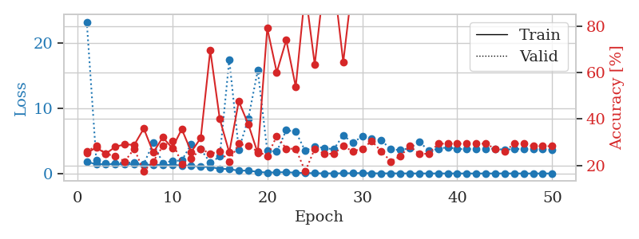
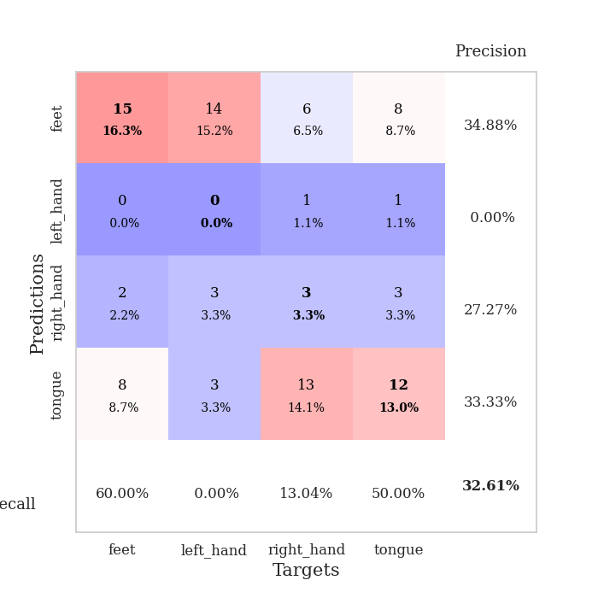
train_loss | valid_loss | train_accuracy | valid_accuracy | dur | train_misclass | valid_misclass
1.7966063489 | 23.293014941 | 0.2527173913 | 0.26086956522 | 1.1519782543 | 25.27173913 | 26.086956522
1.4268753529 | 2.0502992091 | 0.27717391304 | 0.28260869565 | 1.1479666233 | 27.717391304 | 28.260869565
1.4393200563 | 1.525003739 | 0.25 | 0.25 | 1.1502943039 | 25 | 25
1.4182718163 | 1.5190575641 | 0.27989130435 | 0.23913043478 | 1.1503918171 | 27.989130435 | 23.913043478
1.4215219176 | 1.7069565472 | 0.29076086957 | 0.21739130435 | 1.1499621868 | 29.076086957 | 21.739130435
1.4300839072 | 1.6433694103 | 0.28804347826 | 0.27173913043 | 1.1501221657 | 28.804347826 | 27.173913043
1.3586160411 | 1.4762911382 | 0.35869565217 | 0.17391304348 | 1.1502568722 | 35.869565217 | 17.391304348
1.3347284172 | 4.6889938894 | 0.25543478261 | 0.21739130435 | 1.1497373581 | 25.543478261 | 21.739130435
1.3287237623 | 1.6007526802 | 0.32065217391 | 0.28260869565 | 1.15001297 | 32.065217391 | 28.260869565
1.311037416 | 1.9203718227 | 0.27445652174 | 0.30434782609 | 1.1494159698 | 27.445652174 | 30.434782609
1.2372698577 | 2.0054502591 | 0.35597826087 | 0.20652173913 | 1.1516382694 | 35.597826087 | 20.652173913
1.1744824078 | 4.5056615498 | 0.25815217391 | 0.22826086957 | 1.1496481895 | 25.815217391 | 22.826086957
1.0396599666 | 3.7382349035 | 0.31793478261 | 0.27173913043 | 1.1519360542 | 31.793478261 | 27.173913043
0.98185114498 | 1.6394631759 | 0.69565217391 | 0.25 | 1.1507072449 | 69.565217391 | 25
0.7338999743 | 2.6097770048 | 0.39945652174 | 0.26086956522 | 1.1506724358 | 39.945652174 | 26.086956522
0.66881345666 | 17.487379489 | 0.25543478261 | 0.21739130435 | 1.1516578197 | 25.543478261 | 21.739130435
0.43090072015 | 3.6700097167 | 0.47554347826 | 0.29347826087 | 1.1509153843 | 47.554347826 | 29.347826087
0.44747573915 | 8.3917006617 | 0.3777173913 | 0.28260869565 | 1.1511008739 | 37.77173913 | 28.260869565
0.24245838497 | 15.857699436 | 0.2527173913 | 0.26086956522 | 1.1516461372 | 25.27173913 | 26.086956522
0.14377794706 | 3.4846226029 | 0.79076086957 | 0.23913043478 | 1.1520190239 | 79.076086957 | 23.913043478
0.17268954898 | 3.3674934429 | 0.60054347826 | 0.32608695652 | 1.1517953873 | 60.054347826 | 32.608695652
0.21132858737 | 6.6516166355 | 0.73913043478 | 0.27173913043 | 1.152741909 | 73.913043478 | 27.173913043
0.11118862733 | 6.4149485878 | 0.53804347826 | 0.27173913043 | 1.1507368088 | 53.804347826 | 27.173913043
0.069316909284 | 3.4648540435 | 0.95108695652 | 0.17391304348 | 1.1518864632 | 95.108695652 | 17.391304348
0.044486133604 | 4.174623676 | 0.63315217391 | 0.27173913043 | 1.1512272358 | 63.315217391 | 27.173913043
0.017852250436 | 3.9062460194 | 0.9972826087 | 0.25 | 1.1519248486 | 99.72826087 | 25
0.023336182146 | 3.7174868998 | 0.9972826087 | 0.25 | 1.1515767574 | 99.72826087 | 25
0.032223608046 | 5.8949950882 | 0.64402173913 | 0.28260869565 | 1.1515464783 | 64.402173913 | 28.260869565
0.042400753166 | 4.6897114463 | 0.99184782609 | 0.26086956522 | 1.1514005661 | 99.184782609 | 26.086956522
0.071243842699 | 5.7256977869 | 0.93206521739 | 0.27173913043 | 1.1514003277 | 93.206521739 | 27.173913043
0.027293580827 | 5.403906138 | 0.99184782609 | 0.30434782609 | 1.1512556076 | 99.184782609 | 30.434782609
0.024747245844 | 5.1138690866 | 0.99456521739 | 0.26086956522 | 1.1515829563 | 99.456521739 | 26.086956522
0.01708830141 | 3.7137812324 | 1 | 0.21739130435 | 1.1522686481 | 100 | 21.739130435
0.015240977414 | 3.5936388969 | 1 | 0.23913043478 | 1.1521918774 | 100 | 23.913043478
0.0064720591561 | 3.8914452636 | 1 | 0.28260869565 | 1.1515717506 | 100 | 28.260869565
0.0090395653134 | 4.8727435858 | 1 | 0.25 | 1.1525349617 | 100 | 25
0.0055954993915 | 3.5332546649 | 1 | 0.25 | 1.1520533562 | 100 | 25
0.0091391946493 | 3.7613586965 | 1 | 0.29347826087 | 1.1525058746 | 100 | 29.347826087
0.0062239211326 | 4.0602974892 | 1 | 0.29347826087 | 1.1526350975 | 100 | 29.347826087
0.010082024395 | 3.7375210886 | 1 | 0.29347826087 | 1.1531515121 | 100 | 29.347826087
0.0027195562927 | 3.7726456808 | 1 | 0.29347826087 | 1.1534934044 | 100 | 29.347826087
0.0025915254664 | 3.7267127452 | 1 | 0.29347826087 | 1.1529300213 | 100 | 29.347826087
0.0065794342334 | 3.8218846321 | 1 | 0.29347826087 | 1.1529414654 | 100 | 29.347826087
0.0042523028223 | 3.8113716996 | 1 | 0.27173913043 | 1.1525325775 | 100 | 27.173913043
0.0086509329729 | 3.6407319152 | 1 | 0.26086956522 | 1.1525804996 | 100 | 26.086956522
0.0046922381431 | 3.7667529065 | 1 | 0.29347826087 | 1.152762413 | 100 | 29.347826087
0.0042743112572 | 3.7582259178 | 1 | 0.29347826087 | 1.1531565189 | 100 | 29.347826087
0.0020630210258 | 3.7507726421 | 1 | 0.28260869565 | 1.1528427601 | 100 | 28.260869565
0.0015559039976 | 3.7439771528 | 1 | 0.28260869565 | 1.1525378227 | 100 | 28.260869565
0.0021287105306 | 3.6635972313 | 1 | 0.28260869565 | 1.1522870064 | 100 | 28.260869565

Best Val accuracy is 0.32608695652173914 and Best test accuracy is 0.3017241379310345

Sheet5
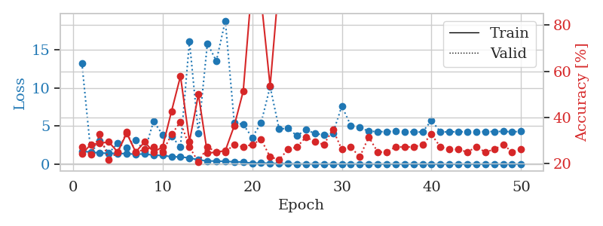
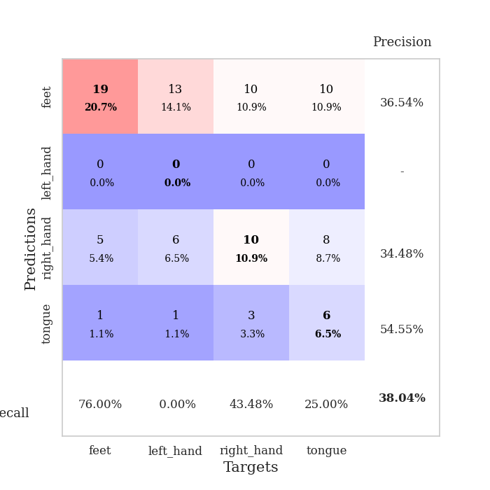
train_loss | valid_loss | train_accuracy | valid_accuracy | dur | train_misclass | valid_misclass
1.6933969259 | 13.279202212 | 0.24184782609 | 0.27173913043 | 1.1537904739 | 24.184782609 | 27.173913043
1.5611461245 | 1.4566365584 | 0.28260869565 | 0.23913043478 | 1.1483464241 | 28.260869565 | 23.913043478
1.4564477827 | 3.0681283681 | 0.28804347826 | 0.32608695652 | 1.1499433517 | 28.804347826 | 32.608695652
1.4038951915 | 1.4593237638 | 0.29347826087 | 0.21739130435 | 1.1510388851 | 29.347826087 | 21.739130435
1.3986707978 | 2.7092099604 | 0.25 | 0.25 | 1.1505684853 | 25 | 25
1.3530232284 | 2.1480629237 | 0.33152173913 | 0.33695652174 | 1.1507492065 | 33.152173913 | 33.695652174
1.2974851391 | 3.1780041301 | 0.25 | 0.25 | 1.1506729126 | 25 | 25
1.320286388 | 1.6691684723 | 0.29347826087 | 0.26086956522 | 1.1504201889 | 29.347826087 | 26.086956522
1.1699288228 | 5.6324696748 | 0.25 | 0.27173913043 | 1.1499912739 | 25 | 27.173913043
1.1201015996 | 3.8585931115 | 0.27173913043 | 0.25 | 1.1503739357 | 27.173913043 | 25
0.9659173981 | 3.5892703533 | 0.42663043478 | 0.32608695652 | 1.150339365 | 42.663043478 | 32.608695652
0.92783103559 | 2.2824038319 | 0.57880434783 | 0.38043478261 | 1.1495115757 | 57.880434783 | 38.043478261
0.81190304393 | 16.132694535 | 0.29619565217 | 0.27173913043 | 1.1516218185 | 29.619565217 | 27.173913043
0.54089695345 | 4.0113443292 | 0.5 | 0.20652173913 | 1.1499578953 | 50 | 20.652173913
0.40608944323 | 15.850096412 | 0.24456521739 | 0.27173913043 | 1.151103735 | 24.456521739 | 27.173913043
0.39250086572 | 13.529142007 | 0.25 | 0.25 | 1.1505265236 | 25 | 25
0.3516685629 | 18.823058294 | 0.25543478261 | 0.25 | 1.1510925293 | 25.543478261 | 25
0.29560743985 | 5.4176325591 | 0.36413043478 | 0.28260869565 | 1.1511278152 | 36.413043478 | 28.260869565
0.26321631362 | 5.1989999025 | 0.51358695652 | 0.27173913043 | 1.1513411999 | 51.358695652 | 27.173913043
0.10334619799 | 3.4877853808 | 0.98913043478 | 0.28260869565 | 1.1505250931 | 98.913043478 | 28.260869565
0.13413562399 | 5.435140361 | 0.91032608696 | 0.30434782609 | 1.1513905525 | 91.032608696 | 30.434782609
0.10498121365 | 10.172121172 | 0.53532608696 | 0.22826086957 | 1.1510629654 | 53.532608696 | 22.826086957
0.066285200933 | 4.6160290449 | 0.99184782609 | 0.21739130435 | 1.1517665386 | 99.184782609 | 21.739130435
0.050938644143 | 4.6794068399 | 0.93206521739 | 0.26086956522 | 1.15214324 | 93.206521739 | 26.086956522
0.01824694221 | 3.6980109422 | 1 | 0.27173913043 | 1.1521813869 | 100 | 27.173913043
0.017845684845 | 4.5351745771 | 1 | 0.3152173913 | 1.1508011818 | 100 | 31.52173913
0.013141996749 | 3.9889130696 | 1 | 0.29347826087 | 1.1515729427 | 100 | 29.347826087
0.011268318722 | 3.8406894207 | 1 | 0.28260869565 | 1.1510722637 | 100 | 28.260869565
0.0031939535174 | 4.0499738714 | 1 | 0.34782608696 | 1.1515581608 | 100 | 34.782608696
0.0072565238933 | 7.5996117385 | 0.9347826087 | 0.26086956522 | 1.1517314911 | 93.47826087 | 26.086956522
0.012491533382 | 5.0576770098 | 0.98913043478 | 0.27173913043 | 1.152523756 | 98.913043478 | 27.173913043
0.018332961374 | 4.8011289679 | 1 | 0.22826086957 | 1.1520068645 | 100 | 22.826086957
0.0094611671444 | 4.3140778023 | 1 | 0.3152173913 | 1.1524481773 | 100 | 31.52173913
0.0056193458782 | 4.2579050479 | 1 | 0.25 | 1.1514544487 | 100 | 25
0.0059138474551 | 4.2486828514 | 1 | 0.25 | 1.1524653435 | 100 | 25
0.0051595654488 | 4.3134926402 | 1 | 0.27173913043 | 1.1518602371 | 100 | 27.173913043
0.0039836433653 | 4.2637183252 | 1 | 0.27173913043 | 1.1521940231 | 100 | 27.173913043
0.0028982960787 | 4.2156373936 | 1 | 0.27173913043 | 1.1523630619 | 100 | 27.173913043
0.0045338202465 | 4.2014657622 | 1 | 0.28260869565 | 1.1522483826 | 100 | 28.260869565
0.010848971713 | 5.7320665277 | 1 | 0.32608695652 | 1.1523771286 | 100 | 32.608695652
0.0033623574279 | 4.2184362411 | 1 | 0.27173913043 | 1.1519567966 | 100 | 27.173913043
0.0021169156497 | 4.219196019 | 1 | 0.26086956522 | 1.1515619755 | 100 | 26.086956522
0.0048451542224 | 4.250211187 | 1 | 0.26086956522 | 1.1526596546 | 100 | 26.086956522
0.003730914329 | 4.2287375409 | 1 | 0.25 | 1.1523184776 | 100 | 25
0.0027840354539 | 4.2375300449 | 1 | 0.27173913043 | 1.1526312828 | 100 | 27.173913043
0.0030973117132 | 4.2592720882 | 1 | 0.25 | 1.1519405842 | 100 | 25
0.0023057236135 | 4.2762094166 | 1 | 0.26086956522 | 1.1524865627 | 100 | 26.086956522
0.0017641345178 | 4.2805065487 | 1 | 0.28260869565 | 1.1523954868 | 100 | 28.260869565
0.0014652456429 | 4.2331433089 | 1 | 0.25 | 1.1525187492 | 100 | 25
0.0022187783318 | 4.2807213742 | 1 | 0.26086956522 | 1.1564898491 | 100 | 26.086956522

Best Val accuracy is 0.3804347826086957 and Best test accuracy is 0.25862068965517243

Sheet6
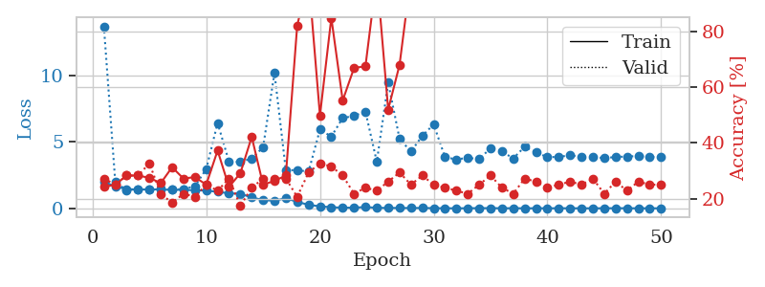
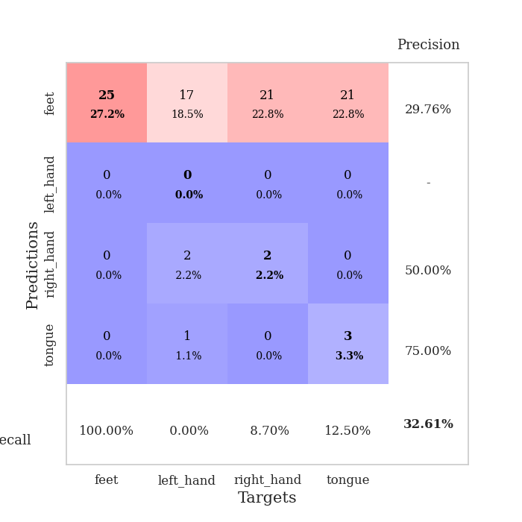
train_loss | valid_loss | train_accuracy | valid_accuracy | dur | train_misclass | valid_misclass
2.0147501956 | 13.730139567 | 0.24184782609 | 0.27173913043 | 1.1539428234 | 24.184782609 | 27.173913043
1.6345551118 | 1.9895332689 | 0.25 | 0.25 | 1.1477060318 | 25 | 25
1.4609814105 | 1.3715543073 | 0.28260869565 | 0.28260869565 | 1.1503617764 | 28.260869565 | 28.260869565
1.411034978 | 1.4469443404 | 0.28260869565 | 0.28260869565 | 1.1486258507 | 28.260869565 | 28.260869565
1.4396822193 | 1.4041461789 | 0.27445652174 | 0.32608695652 | 1.1508178711 | 27.445652174 | 32.608695652
1.4151498079 | 1.4677062657 | 0.25543478261 | 0.21739130435 | 1.1495563984 | 25.543478261 | 21.739130435
1.3981835842 | 1.4354560531 | 0.3125 | 0.1847826087 | 1.1505115032 | 31.25 | 18.47826087
1.3985386931 | 1.4496699468 | 0.27173913043 | 0.21739130435 | 1.1502611637 | 27.173913043 | 21.739130435
1.3635945838 | 1.6666931691 | 0.27717391304 | 0.20652173913 | 1.1510117054 | 27.717391304 | 20.652173913
1.3372693269 | 2.9593397534 | 0.25 | 0.25 | 1.1509995461 | 25 | 25
1.2465721524 | 6.4371369403 | 0.3722826087 | 0.22826086957 | 1.1508142948 | 37.22826087 | 22.826086957
1.1322832548 | 3.5307896034 | 0.24184782609 | 0.27173913043 | 1.1505842209 | 24.184782609 | 27.173913043
1.0945771233 | 3.49387059 | 0.29076086957 | 0.17391304348 | 1.1503264904 | 29.076086957 | 17.391304348
0.82360484807 | 3.7653556181 | 0.42119565217 | 0.23913043478 | 1.151132822 | 42.119565217 | 23.913043478
0.61988816443 | 4.6052675455 | 0.25 | 0.27173913043 | 1.1504790783 | 25 | 27.173913043
0.57323776186 | 10.221043421 | 0.26358695652 | 0.27173913043 | 1.1508352757 | 26.358695652 | 27.173913043
0.76274081417 | 2.87921013 | 0.28260869565 | 0.27173913043 | 1.150428772 | 28.260869565 | 27.173913043
0.48938096801 | 2.8821442646 | 0.82065217391 | 0.20652173913 | 1.1506206989 | 82.065217391 | 20.652173913
0.26555740866 | 2.7686440737 | 0.99184782609 | 0.29347826087 | 1.1504495144 | 99.184782609 | 29.347826087
0.1496032031 | 5.9424174558 | 0.4972826087 | 0.32608695652 | 1.1506223679 | 49.72826087 | 32.608695652
0.083164652243 | 5.4121347614 | 0.84782608696 | 0.3152173913 | 1.1508617401 | 84.782608696 | 31.52173913
0.050692218315 | 6.8128168065 | 0.55163043478 | 0.28260869565 | 1.1518945694 | 55.163043478 | 28.260869565
0.048807380944 | 6.9728560448 | 0.66847826087 | 0.21739130435 | 1.1510169506 | 66.847826087 | 21.739130435
0.097279477014 | 7.3019261567 | 0.67391304348 | 0.23913043478 | 1.1510403156 | 67.391304348 | 23.913043478
0.040673497917 | 3.5126619754 | 1 | 0.22826086957 | 1.1510152817 | 100 | 22.826086957
0.030747977976 | 9.4766190985 | 0.51902173913 | 0.26086956522 | 1.1510503292 | 51.902173913 | 26.086956522
0.029192483083 | 5.243021426 | 0.67934782609 | 0.29347826087 | 1.1519703865 | 67.934782609 | 29.347826087
0.024939893269 | 4.2804352823 | 1 | 0.25 | 1.1523516178 | 100 | 25
0.028595351918 | 5.4687317558 | 0.99184782609 | 0.28260869565 | 1.1527955532 | 99.184782609 | 28.260869565
0.0142648449 | 6.3331258401 | 0.9347826087 | 0.25 | 1.1521992683 | 93.47826087 | 25
0.0061208282714 | 3.85272251 | 1 | 0.23913043478 | 1.1517419815 | 100 | 23.913043478
0.0049393472373 | 3.694059797 | 1 | 0.22826086957 | 1.1517596245 | 100 | 22.826086957
0.0056187004115 | 3.8089975689 | 1 | 0.21739130435 | 1.151684761 | 100 | 21.739130435
0.018076563778 | 3.7162749249 | 1 | 0.25 | 1.1527135372 | 100 | 25
0.012316901672 | 4.5342635383 | 1 | 0.28260869565 | 1.1519505978 | 100 | 28.260869565
0.010181676614 | 4.287358906 | 1 | 0.23913043478 | 1.1529219151 | 100 | 23.913043478
0.0064707182464 | 3.7675464257 | 1 | 0.21739130435 | 1.1518845558 | 100 | 21.739130435
0.0071946485537 | 4.6451530249 | 1 | 0.27173913043 | 1.1518654823 | 100 | 27.173913043
0.0040244015172 | 4.2367576724 | 1 | 0.26086956522 | 1.1519496441 | 100 | 26.086956522
0.0065792653882 | 3.8512791551 | 1 | 0.23913043478 | 1.1520187855 | 100 | 23.913043478
0.0066352869743 | 3.888273944 | 1 | 0.25 | 1.152765274 | 100 | 25
0.0072401397338 | 3.9940544211 | 1 | 0.26086956522 | 1.1524174213 | 100 | 26.086956522
0.0033919460105 | 3.90162356 | 1 | 0.25 | 1.1528048515 | 100 | 25
0.0035590305178 | 3.8748053053 | 1 | 0.27173913043 | 1.1533601284 | 100 | 27.173913043
0.0066825972349 | 3.7891080069 | 1 | 0.21739130435 | 1.1532607079 | 100 | 21.739130435
0.011491443448 | 3.8719222027 | 1 | 0.26086956522 | 1.1531076431 | 100 | 26.086956522
0.0082946643815 | 3.9107790615 | 1 | 0.22826086957 | 1.152433157 | 100 | 22.826086957
0.0034591025956 | 3.9442734511 | 1 | 0.26086956522 | 1.1526455879 | 100 | 26.086956522
0.0055819882735 | 3.88552419 | 1 | 0.25 | 1.153249979 | 100 | 25
0.0022466187068 | 3.8449760105 | 1 | 0.25 | 1.151825428 | 100 | 25

Best Val accuracy is 0.32608695652173914 and Best test accuracy is 0.28448275862068967

Sheet7
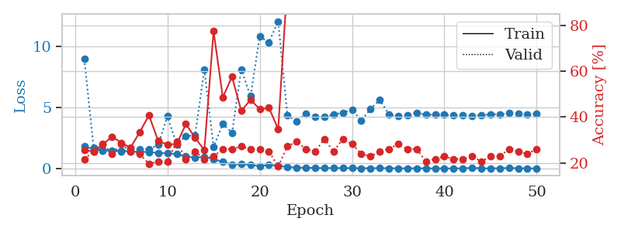
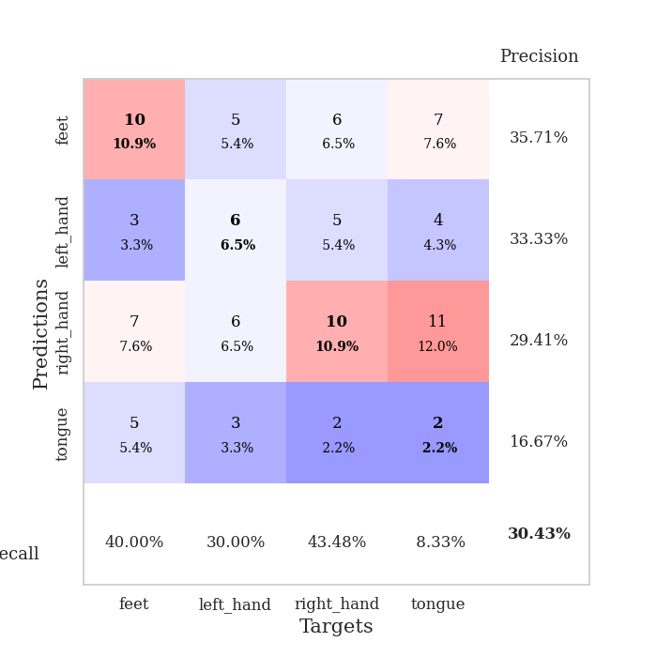
train_loss | valid_loss | train_accuracy | valid_accuracy | dur | train_misclass | valid_misclass
1.851129366 | 8.9457415291 | 0.25543478261 | 0.21739130435 | 1.1540448666 | 25.543478261 | 21.739130435
1.5474008996 | 1.7249067192 | 0.25 | 0.25 | 1.1477744579 | 25 | 25
1.4683554173 | 1.4789017439 | 0.27989130435 | 0.28260869565 | 1.1493597031 | 27.989130435 | 28.260869565
1.4666277481 | 1.4241811918 | 0.3152173913 | 0.23913043478 | 1.1501049995 | 31.52173913 | 23.913043478
1.4195659783 | 1.3851296539 | 0.28804347826 | 0.28260869565 | 1.150785923 | 28.804347826 | 28.260869565
1.3789379027 | 1.5464748922 | 0.26630434783 | 0.25 | 1.1493771076 | 26.630434783 | 25
1.3537507835 | 1.5833751844 | 0.33423913043 | 0.23913043478 | 1.1499040127 | 33.423913043 | 23.913043478
1.3405627842 | 1.5731609904 | 0.40760869565 | 0.19565217391 | 1.149936676 | 40.760869565 | 19.565217391
1.2659035299 | 1.9246171557 | 0.29619565217 | 0.20652173913 | 1.1510622501 | 29.619565217 | 20.652173913
1.2424499263 | 4.26475386 | 0.27989130435 | 0.20652173913 | 1.1504719257 | 27.989130435 | 20.652173913
1.1757753569 | 1.9574279163 | 0.28260869565 | 0.29347826087 | 1.1496691704 | 28.260869565 | 29.347826087
0.9668440741 | 2.6666576448 | 0.36956521739 | 0.21739130435 | 1.1516056061 | 36.956521739 | 21.739130435
0.87377947828 | 2.6888812314 | 0.3097826087 | 0.25 | 1.1498939991 | 30.97826087 | 25
0.95711602854 | 8.1014378589 | 0.25543478261 | 0.21739130435 | 1.1501421928 | 25.543478261 | 21.739130435
0.76855395799 | 1.7527487433 | 0.77445652174 | 0.22826086957 | 1.1496109962 | 77.445652174 | 22.826086957
0.53117136592 | 3.6430985409 | 0.48641304348 | 0.26086956522 | 1.1502993107 | 48.641304348 | 26.086956522
0.31207983455 | 2.9130865906 | 0.57608695652 | 0.26086956522 | 1.15056777 | 57.608695652 | 26.086956522
0.37148811506 | 8.1129292198 | 0.42663043478 | 0.27173913043 | 1.1505134106 | 42.663043478 | 27.173913043
0.28292942339 | 5.9020747102 | 0.47554347826 | 0.26086956522 | 1.1502017975 | 47.554347826 | 26.086956522
0.18296660135 | 10.787815965 | 0.4347826087 | 0.26086956522 | 1.150093317 | 43.47826087 | 26.086956522
0.2946539944 | 10.323330817 | 0.4402173913 | 0.25 | 1.1496231556 | 44.02173913 | 25
0.21650401794 | 12.038892787 | 0.34782608696 | 0.1847826087 | 1.1504752636 | 34.782608696 | 18.47826087
0.11865304896 | 4.3374863604 | 0.99184782609 | 0.27173913043 | 1.1505970955 | 99.184782609 | 27.173913043
0.07117342378 | 3.8641303726 | 0.9972826087 | 0.29347826087 | 1.1504130363 | 99.72826087 | 29.347826087
0.064492872552 | 4.4683121184 | 1 | 0.26086956522 | 1.1511573792 | 100 | 26.086956522
0.035942401514 | 4.1992848852 | 1 | 0.25 | 1.1518275738 | 100 | 25
0.030342721998 | 4.2227268012 | 1 | 0.30434782609 | 1.1500859261 | 100 | 30.434782609
0.034443705818 | 4.3936207605 | 1 | 0.25 | 1.1516976357 | 100 | 25
0.022509152343 | 4.5667506301 | 1 | 0.30434782609 | 1.1503181458 | 100 | 30.434782609
0.029421188292 | 4.7988358373 | 1 | 0.28260869565 | 1.1513729095 | 100 | 28.260869565
0.016940496133 | 3.9401845517 | 1 | 0.23913043478 | 1.1511487961 | 100 | 23.913043478
0.015357548743 | 4.8471700627 | 1 | 0.22826086957 | 1.1518754959 | 100 | 22.826086957
0.024552114584 | 5.6124788989 | 1 | 0.25 | 1.1511785984 | 100 | 25
0.015251269111 | 4.4058731328 | 1 | 0.26086956522 | 1.1511082649 | 100 | 26.086956522
0.010559530787 | 4.288541317 | 1 | 0.28260869565 | 1.1512236595 | 100 | 28.260869565
0.0069619239632 | 4.3816638822 | 1 | 0.26086956522 | 1.1513490677 | 100 | 26.086956522
0.013352756626 | 4.5558754258 | 1 | 0.26086956522 | 1.1515910625 | 100 | 26.086956522
0.0055866411966 | 4.3964910922 | 1 | 0.20652173913 | 1.1512870789 | 100 | 20.652173913
0.00570137827 | 4.3897475989 | 1 | 0.21739130435 | 1.1506102085 | 100 | 21.739130435
0.0036544934897 | 4.3880907971 | 1 | 0.22826086957 | 1.1519815922 | 100 | 22.826086957
0.0025802491936 | 4.3365932548 | 1 | 0.21739130435 | 1.1515653133 | 100 | 21.739130435
0.0022747434369 | 4.3583068433 | 1 | 0.21739130435 | 1.1521878242 | 100 | 21.739130435
0.055579765556 | 4.3120373643 | 1 | 0.22826086957 | 1.151365757 | 100 | 22.826086957
0.0021668836302 | 4.3723403889 | 1 | 0.20652173913 | 1.1518445015 | 100 | 20.652173913
0.0093549693651 | 4.4193425593 | 1 | 0.22826086957 | 1.1514728069 | 100 | 22.826086957
0.0089866380389 | 4.431381578 | 1 | 0.22826086957 | 1.1518735886 | 100 | 22.826086957
0.038941355621 | 4.5135376557 | 1 | 0.26086956522 | 1.1524493694 | 100 | 26.086956522
0.013307372075 | 4.4888530607 | 1 | 0.25 | 1.1522550583 | 100 | 25
0.0047763459886 | 4.411463468 | 1 | 0.23913043478 | 1.152130127 | 100 | 23.913043478
0.0058894075843 | 4.4944064721 | 1 | 0.26086956522 | 1.1519470215 | 100 | 26.086956522

Best Val accuracy is 0.30434782608695654 and Best test accuracy is 0.3706896551724138

Sheet8
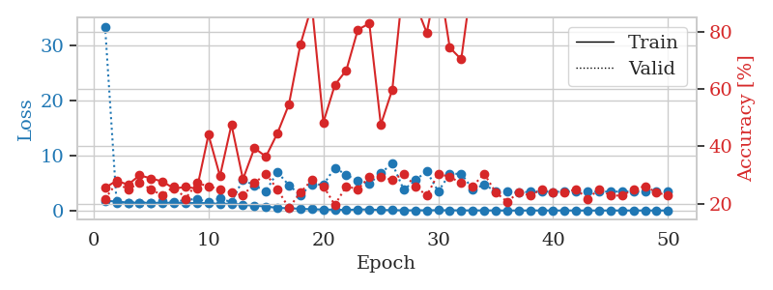
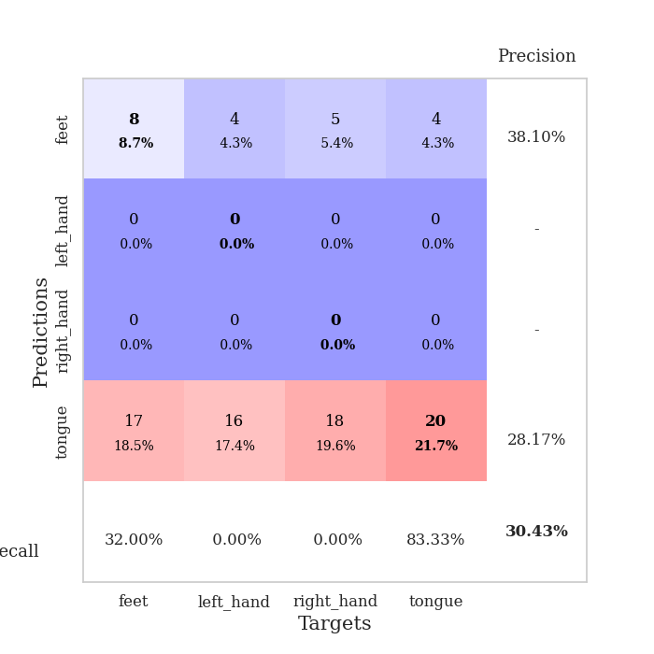
train_loss | valid_loss | train_accuracy | valid_accuracy | dur | train_misclass | valid_misclass
1.7550346955 | 33.398350094 | 0.25543478261 | 0.21739130435 | 1.151822567 | 25.543478261 | 21.739130435
1.637890256 | 1.4294024499 | 0.27989130435 | 0.27173913043 | 1.1476187706 | 27.989130435 | 27.173913043
1.425128123 | 1.4182558319 | 0.26630434783 | 0.25 | 1.1505143642 | 26.630434783 | 25
1.4132574589 | 1.448325266 | 0.29891304348 | 0.27173913043 | 1.1508638859 | 29.891304348 | 27.173913043
1.3958674773 | 1.4344688913 | 0.28804347826 | 0.25 | 1.1501743793 | 28.804347826 | 25
1.3931644533 | 1.7076012414 | 0.27717391304 | 0.22826086957 | 1.1501617432 | 27.717391304 | 22.826086957
1.4054134462 | 1.5652962301 | 0.2527173913 | 0.26086956522 | 1.1506931782 | 25.27173913 | 26.086956522
1.3499379003 | 1.8962528706 | 0.25815217391 | 0.21739130435 | 1.1511733532 | 25.815217391 | 21.739130435
1.349102352 | 2.1318638117 | 0.2527173913 | 0.27173913043 | 1.1502821445 | 25.27173913 | 27.173913043
1.339953293 | 1.4528919769 | 0.4402173913 | 0.26086956522 | 1.1497242451 | 44.02173913 | 26.086956522
1.1970541736 | 2.2213285384 | 0.29619565217 | 0.25 | 1.1502227783 | 29.619565217 | 25
1.2529790816 | 1.4881708259 | 0.47554347826 | 0.23913043478 | 1.1514258385 | 47.554347826 | 23.913043478
1.0327972951 | 5.6369886606 | 0.28532608696 | 0.22826086957 | 1.1497673988 | 28.532608696 | 22.826086957
0.87099948914 | 4.487000963 | 0.39402173913 | 0.27173913043 | 1.1503295898 | 39.402173913 | 27.173913043
0.72928937103 | 3.5467375672 | 0.36413043478 | 0.30434782609 | 1.1511478424 | 36.413043478 | 30.434782609
0.46704307717 | 6.9778158561 | 0.44565217391 | 0.25 | 1.1527659893 | 44.565217391 | 25
0.41505523836 | 4.588447633 | 0.54619565217 | 0.1847826087 | 1.1507558823 | 54.619565217 | 18.47826087
0.30874808748 | 2.8109295368 | 0.75543478261 | 0.23913043478 | 1.151781559 | 75.543478261 | 23.913043478
0.22887423035 | 4.7486470886 | 0.89130434783 | 0.28260869565 | 1.15178895 | 89.130434783 | 28.260869565
0.17495772097 | 4.6806299375 | 0.48369565217 | 0.26086956522 | 1.1511998177 | 48.369565217 | 26.086956522
0.15198168531 | 7.7578126451 | 0.61413043478 | 0.19565217391 | 1.1517007351 | 61.413043478 | 19.565217391
0.10513981602 | 6.4672779415 | 0.66576086957 | 0.26086956522 | 1.1514878273 | 66.576086957 | 26.086956522
0.18549980814 | 5.3865579729 | 0.80706521739 | 0.25 | 1.1510987282 | 80.706521739 | 25
0.18347905115 | 4.8283177873 | 0.82880434783 | 0.29347826087 | 1.1516184807 | 82.880434783 | 29.347826087
0.090801029547 | 6.8032511628 | 0.47554347826 | 0.29347826087 | 1.1513078213 | 47.554347826 | 29.347826087
0.071225031988 | 8.5241678901 | 0.59782608696 | 0.28260869565 | 1.1511740685 | 59.782608696 | 28.260869565
0.028533395673 | 3.7460809583 | 0.98641304348 | 0.30434782609 | 1.1519556046 | 98.641304348 | 30.434782609
0.035041464148 | 5.5093225189 | 0.89945652174 | 0.26086956522 | 1.1508681774 | 89.945652174 | 26.086956522
0.043784126862 | 7.1162730507 | 0.79619565217 | 0.22826086957 | 1.1522023678 | 79.619565217 | 22.826086957
0.054890548481 | 3.4632647348 | 1 | 0.30434782609 | 1.1517412663 | 100 | 30.434782609
0.037516531904 | 6.6284137601 | 0.74456521739 | 0.29347826087 | 1.1513845921 | 74.456521739 | 29.347826087
0.03072609762 | 6.6880762473 | 0.70380434783 | 0.27173913043 | 1.1523294449 | 70.380434783 | 27.173913043
0.014105876488 | 3.8732330488 | 1 | 0.26086956522 | 1.1522760391 | 100 | 26.086956522
0.019238268792 | 4.6668490534 | 0.99456521739 | 0.30434782609 | 1.1529092789 | 99.456521739 | 30.434782609
0.010074790484 | 3.5124843224 | 1 | 0.23913043478 | 1.1522934437 | 100 | 23.913043478
0.0054799883181 | 3.4415352655 | 1 | 0.20652173913 | 1.1524162292 | 100 | 20.652173913
0.0037287058696 | 3.2716305567 | 1 | 0.23913043478 | 1.1524963379 | 100 | 23.913043478
0.011205106625 | 3.397826796 | 1 | 0.22826086957 | 1.1524455547 | 100 | 22.826086957
0.0054193371198 | 3.4913996406 | 1 | 0.25 | 1.1518163681 | 100 | 25
0.0048854013123 | 3.3730253759 | 1 | 0.23913043478 | 1.1520206928 | 100 | 23.913043478
0.0048386187118 | 3.4621301941 | 1 | 0.23913043478 | 1.1530649662 | 100 | 23.913043478
0.0047810224971 | 3.4484219136 | 1 | 0.25 | 1.1523225307 | 100 | 25
0.0021471869524 | 3.4161734581 | 1 | 0.21739130435 | 1.153014183 | 100 | 21.739130435
0.0049296513493 | 3.4036593645 | 1 | 0.25 | 1.1517076492 | 100 | 25
0.0060736027207 | 3.4479125064 | 1 | 0.22826086957 | 1.1525182724 | 100 | 22.826086957
0.002028446766 | 3.4398510145 | 1 | 0.22826086957 | 1.1517732143 | 100 | 22.826086957
0.0049001788645 | 3.4503145218 | 1 | 0.25 | 1.1526186466 | 100 | 25
0.0053089201822 | 3.4134529363 | 1 | 0.26086956522 | 1.1520097256 | 100 | 26.086956522
0.0035383745955 | 3.4778711278 | 1 | 0.23913043478 | 1.1527986526 | 100 | 23.913043478
0.0027967673023 | 3.446682619 | 1 | 0.22826086957 | 1.1519200802 | 100 | 22.826086957

Best Val accuracy is 0.30434782608695654 and Best test accuracy is 0.25

Sheet9
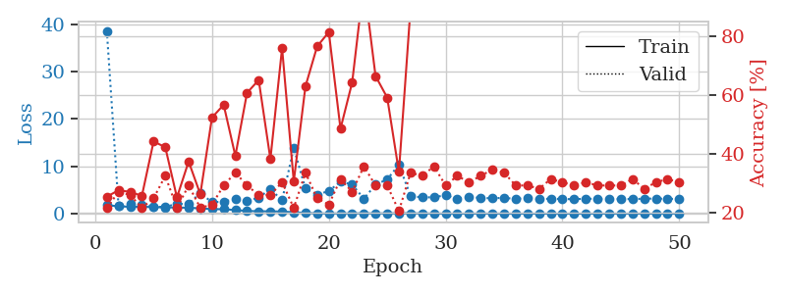
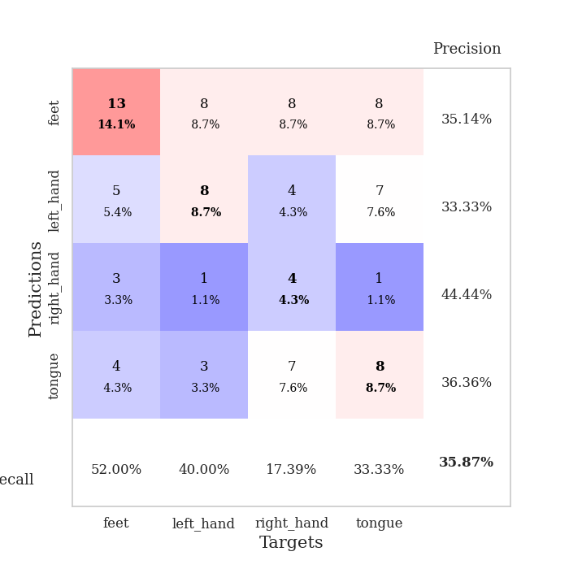
train_loss | valid_loss | train_accuracy | valid_accuracy | dur | train_misclass | valid_misclass
1.7546555685 | 38.569581239 | 0.25543478261 | 0.21739130435 | 1.15502882 | 25.543478261 | 21.739130435
1.5626194736 | 1.5909341366 | 0.27717391304 | 0.27173913043 | 1.1493160725 | 27.717391304 | 27.173913043
1.4160632362 | 1.9787440766 | 0.27173913043 | 0.26086956522 | 1.1496937275 | 27.173913043 | 26.086956522
1.4479210377 | 1.8123295152 | 0.25815217391 | 0.21739130435 | 1.1500928402 | 25.815217391 | 21.739130435
1.371472991 | 1.4246930195 | 0.44293478261 | 0.25 | 1.1492061615 | 44.293478261 | 25
1.3152139394 | 1.4228513811 | 0.42391304348 | 0.32608695652 | 1.1494874954 | 42.391304348 | 32.608695652
1.2823186102 | 2.0490744321 | 0.2527173913 | 0.21739130435 | 1.1517338753 | 25.27173913 | 21.739130435
1.2335725064 | 2.0779965546 | 0.375 | 0.29347826087 | 1.1500930786 | 37.5 | 29.347826087
1.1045762611 | 4.3660157038 | 0.26358695652 | 0.21739130435 | 1.1508574486 | 26.358695652 | 21.739130435
0.94176982278 | 2.3743581876 | 0.52445652174 | 0.22826086957 | 1.1501297951 | 52.445652174 | 22.826086957
0.92024255965 | 2.5481491918 | 0.56793478261 | 0.29347826087 | 1.150744915 | 56.793478261 | 29.347826087
0.74869406353 | 3.0656753623 | 0.39402173913 | 0.33695652174 | 1.1501195431 | 39.402173913 | 33.695652174
0.55210195028 | 2.6104324693 | 0.60869565217 | 0.29347826087 | 1.1528606415 | 60.869565217 | 29.347826087
0.49486575567 | 3.3907511856 | 0.65217391304 | 0.26086956522 | 1.1506998539 | 65.217391304 | 26.086956522
0.4728912154 | 5.176337211 | 0.38315217391 | 0.26086956522 | 1.150788784 | 38.315217391 | 26.086956522
0.43679363604 | 2.8001779577 | 0.76086956522 | 0.30434782609 | 1.1506741047 | 76.086956522 | 30.434782609
0.28314478922 | 13.854145838 | 0.30706521739 | 0.21739130435 | 1.1506886482 | 30.706521739 | 21.739130435
0.15324490355 | 5.2736631269 | 0.63043478261 | 0.33695652174 | 1.1495840549 | 63.043478261 | 33.695652174
0.054941561964 | 4.0142252238 | 0.76630434783 | 0.25 | 1.1510035992 | 76.630434783 | 25
0.030798692722 | 4.7511652242 | 0.8152173913 | 0.22826086957 | 1.151391983 | 81.52173913 | 22.826086957
0.045174890167 | 6.7514634547 | 0.48641304348 | 0.3152173913 | 1.1515443325 | 48.641304348 | 31.52173913
0.050471960577 | 6.1407976358 | 0.64402173913 | 0.27173913043 | 1.1515965462 | 64.402173913 | 27.173913043
0.073862311693 | 3.1419289423 | 0.98369565217 | 0.35869565217 | 1.1511633396 | 98.369565217 | 35.869565217
0.048219771509 | 6.1082815709 | 0.66576086957 | 0.29347826087 | 1.1511423588 | 66.576086957 | 29.347826087
0.059357331863 | 7.2250953343 | 0.59239130435 | 0.29347826087 | 1.1503324509 | 59.239130435 | 29.347826087
0.075187990189 | 10.307359073 | 0.33967391304 | 0.20652173913 | 1.1512463093 | 33.967391304 | 20.652173913
0.080814485195 | 3.7143165236 | 0.89945652174 | 0.33695652174 | 1.1512150764 | 89.945652174 | 33.695652174
0.041232030793 | 3.4111402657 | 0.98369565217 | 0.32608695652 | 1.1521139145 | 98.369565217 | 32.608695652
0.02922618418 | 3.4482404564 | 0.99184782609 | 0.35869565217 | 1.1516034603 | 99.184782609 | 35.869565217
0.017260038048 | 3.8859022078 | 1 | 0.29347826087 | 1.1517534256 | 100 | 29.347826087
0.0092304634188 | 3.1232902485 | 1 | 0.32608695652 | 1.1519165039 | 100 | 32.608695652
0.011183241137 | 3.5420402029 | 1 | 0.30434782609 | 1.1519367695 | 100 | 30.434782609
0.022742910559 | 3.2935364454 | 1 | 0.32608695652 | 1.1519262791 | 100 | 32.608695652
0.012664087461 | 3.2423441514 | 1 | 0.34782608696 | 1.1518545151 | 100 | 34.782608696
0.015932751633 | 3.321905302 | 1 | 0.33695652174 | 1.15229249 | 100 | 33.695652174
0.0031095920485 | 3.1000996673 | 1 | 0.29347826087 | 1.152328968 | 100 | 29.347826087
0.0044089710206 | 3.2941721937 | 1 | 0.29347826087 | 1.1518340111 | 100 | 29.347826087
0.0073281652883 | 3.0580535246 | 1 | 0.28260869565 | 1.1524076462 | 100 | 28.260869565
0.0022412181867 | 3.1425041945 | 1 | 0.3152173913 | 1.1526770592 | 100 | 31.52173913
0.0034451838886 | 3.0817505795 | 1 | 0.30434782609 | 1.1520290375 | 100 | 30.434782609
0.001750321428 | 3.0383908749 | 1 | 0.29347826087 | 1.1524581909 | 100 | 29.347826087
0.0038488099615 | 3.15152812 | 1 | 0.30434782609 | 1.1526927948 | 100 | 30.434782609
0.0027558545901 | 3.092857081 | 1 | 0.29347826087 | 1.1520555019 | 100 | 29.347826087
0.0026076593532 | 3.0893514467 | 1 | 0.29347826087 | 1.1517822742 | 100 | 29.347826087
0.0018071010759 | 3.0861182835 | 1 | 0.29347826087 | 1.1520769596 | 100 | 29.347826087
0.0097227758701 | 3.0606478194 | 1 | 0.3152173913 | 1.1523094177 | 100 | 31.52173913
0.0042249827105 | 3.1464201678 | 1 | 0.28260869565 | 1.1523900032 | 100 | 28.260869565
0.0021245606432 | 3.1816689864 | 1 | 0.30434782609 | 1.1528048515 | 100 | 30.434782609
0.0020089734196 | 3.1075549229 | 1 | 0.3152173913 | 1.1525726318 | 100 | 31.52173913
0.0021644028058 | 3.1135628016 | 1 | 0.30434782609 | 1.1530358791 | 100 | 30.434782609

Best Val accuracy is 0.358695652173913 and Best test accuracy is 0.25862068965517243

Sheet10
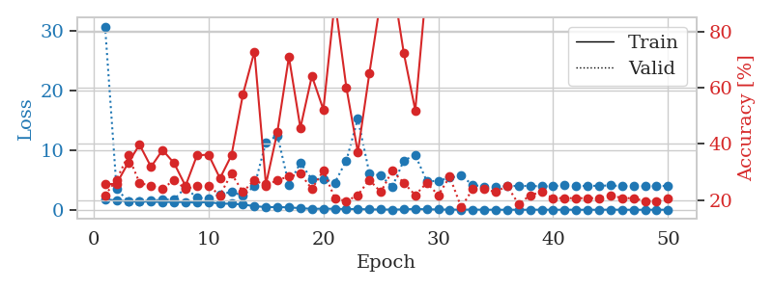
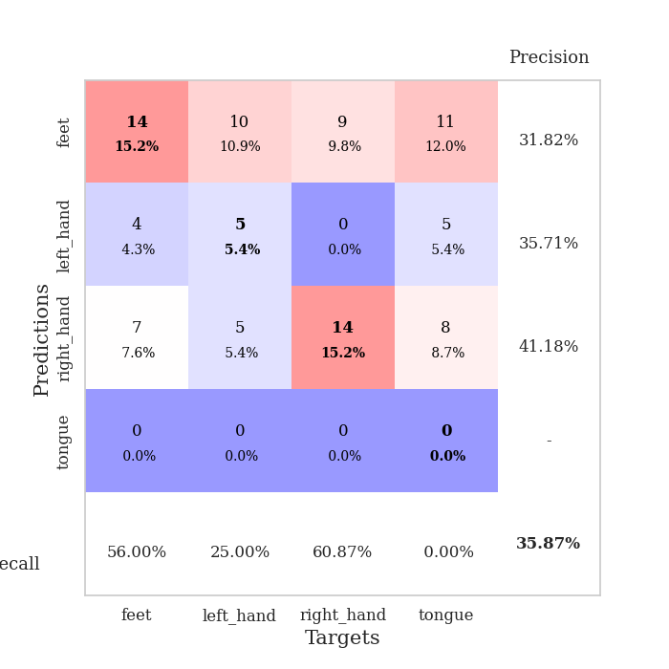
train_loss | valid_loss | train_accuracy | valid_accuracy | dur | train_misclass | valid_misclass
1.7294468413 | 30.760175788 | 0.25543478261 | 0.21739130435 | 1.1533136368 | 25.543478261 | 21.739130435
1.5766266377 | 3.4903608716 | 0.25815217391 | 0.27173913043 | 1.1496667862 | 25.815217391 | 27.173913043
1.4314545082 | 1.4807863184 | 0.33152173913 | 0.35869565217 | 1.1496469975 | 33.152173913 | 35.869565217
1.4049648876 | 1.4394138118 | 0.39673913043 | 0.26086956522 | 1.1493294239 | 39.673913043 | 26.086956522
1.3373752262 | 1.5401479109 | 0.31793478261 | 0.25 | 1.1501266956 | 31.793478261 | 25
1.3093911202 | 1.7070011108 | 0.3777173913 | 0.23913043478 | 1.1496627331 | 37.77173913 | 23.913043478
1.3137314475 | 1.7427770314 | 0.33152173913 | 0.27173913043 | 1.1496021748 | 33.152173913 | 27.173913043
1.2845971584 | 3.7225046676 | 0.25 | 0.23913043478 | 1.1501131058 | 25 | 23.913043478
1.1970085502 | 1.9962608192 | 0.35869565217 | 0.25 | 1.150149107 | 35.869565217 | 25
1.2999384999 | 1.921576956 | 0.36141304348 | 0.25 | 1.1510438919 | 36.141304348 | 25
1.0316751237 | 2.5709921692 | 0.27717391304 | 0.21739130435 | 1.1489965916 | 27.717391304 | 21.739130435
1.0177157055 | 2.9923170339 | 0.35869565217 | 0.29347826087 | 1.1506280899 | 35.869565217 | 29.347826087
0.8885046451 | 2.3639823872 | 0.57608695652 | 0.22826086957 | 1.1508440971 | 57.608695652 | 22.826086957
0.60253791835 | 3.9814756953 | 0.72826086957 | 0.27173913043 | 1.1499736309 | 72.826086957 | 27.173913043
0.44918015405 | 11.331641073 | 0.25543478261 | 0.25 | 1.150118351 | 25.543478261 | 25
0.4530092102 | 12.451078747 | 0.44293478261 | 0.27173913043 | 1.1500892639 | 44.293478261 | 27.173913043
0.40479142251 | 4.224179102 | 0.70923913043 | 0.28260869565 | 1.1500093937 | 70.923913043 | 28.260869565
0.27069914794 | 7.8917424575 | 0.45652173913 | 0.29347826087 | 1.1506097317 | 45.652173913 | 29.347826087
0.15889492226 | 5.0898947716 | 0.64130434783 | 0.23913043478 | 1.150698185 | 64.130434783 | 23.913043478
0.18426406481 | 5.1975291708 | 0.52173913043 | 0.30434782609 | 1.1503245831 | 52.173913043 | 30.434782609
0.16280585017 | 4.5662166554 | 0.90760869565 | 0.20652173913 | 1.1503198147 | 90.760869565 | 20.652173913
0.12376077097 | 8.2576160846 | 0.60054347826 | 0.19565217391 | 1.150390625 | 60.054347826 | 19.565217391
0.12729596144 | 15.284299104 | 0.36956521739 | 0.21739130435 | 1.1509208679 | 36.956521739 | 21.739130435
0.062543528539 | 6.1612025344 | 0.64945652174 | 0.27173913043 | 1.1506078243 | 64.945652174 | 27.173913043
0.046610908927 | 5.7101265037 | 0.91576086957 | 0.22826086957 | 1.1509711742 | 91.576086957 | 22.826086957
0.038973241974 | 3.86636394 | 0.98369565217 | 0.30434782609 | 1.1505849361 | 98.369565217 | 30.434782609
0.060889525157 | 8.2597828326 | 0.72282608696 | 0.26086956522 | 1.1510007381 | 72.282608696 | 26.086956522
0.14094300736 | 9.1806995143 | 0.51902173913 | 0.21739130435 | 1.1513171196 | 51.902173913 | 21.739130435
0.07552051117 | 4.8083597888 | 0.97554347826 | 0.26086956522 | 1.1513357162 | 97.554347826 | 26.086956522
0.057198311526 | 4.8283315638 | 0.98913043478 | 0.21739130435 | 1.1505184174 | 98.913043478 | 21.739130435
0.021472756351 | 5.3975554756 | 0.9402173913 | 0.28260869565 | 1.1509847641 | 94.02173913 | 28.260869565
0.027657281202 | 5.710566417 | 0.9972826087 | 0.17391304348 | 1.1514222622 | 99.72826087 | 17.391304348
0.034279257418 | 4.1639309551 | 1 | 0.23913043478 | 1.1514902115 | 100 | 23.913043478
0.011728153807 | 3.8775235985 | 1 | 0.23913043478 | 1.1517467499 | 100 | 23.913043478
0.0043833608329 | 3.8964238892 | 1 | 0.22826086957 | 1.1509969234 | 100 | 22.826086957
0.010442834145 | 3.9471800535 | 1 | 0.25 | 1.1513879299 | 100 | 25
0.0093095521443 | 4.0301091982 | 1 | 0.1847826087 | 1.1511268616 | 100 | 18.47826087
0.0049480342271 | 3.9898974066 | 1 | 0.21739130435 | 1.1517350674 | 100 | 21.739130435
0.01962199853 | 3.9475208469 | 1 | 0.22826086957 | 1.151563406 | 100 | 22.826086957
0.0028418252857 | 3.9291899723 | 1 | 0.20652173913 | 1.1513597965 | 100 | 20.652173913
0.015908563172 | 4.2006254093 | 1 | 0.20652173913 | 1.1513893604 | 100 | 20.652173913
0.0057035276613 | 3.9752443459 | 1 | 0.20652173913 | 1.1519348621 | 100 | 20.652173913
0.0058666242416 | 4.0156694184 | 1 | 0.20652173913 | 1.151607275 | 100 | 20.652173913
0.0033758379084 | 4.0207985588 | 1 | 0.20652173913 | 1.151863575 | 100 | 20.652173913
0.025224868468 | 4.0875538017 | 1 | 0.21739130435 | 1.1516180038 | 100 | 21.739130435
0.0073035554897 | 3.9635757778 | 1 | 0.20652173913 | 1.152736187 | 100 | 20.652173913
0.0054372115018 | 4.023891024 | 1 | 0.20652173913 | 1.1519899368 | 100 | 20.652173913
0.0026618248717 | 3.9369651027 | 1 | 0.19565217391 | 1.1520781517 | 100 | 19.565217391
0.014134590523 | 3.9749031585 | 1 | 0.19565217391 | 1.1524288654 | 100 | 19.565217391
0.0054051611476 | 4.0214931758 | 1 | 0.20652173913 | 1.152364254 | 100 | 20.652173913

Best Val accuracy is 0.358695652173913 and Best test accuracy is 0.3879310344827586

