Sheet
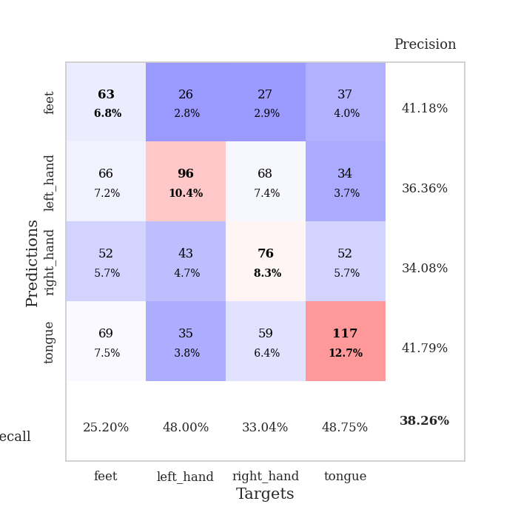
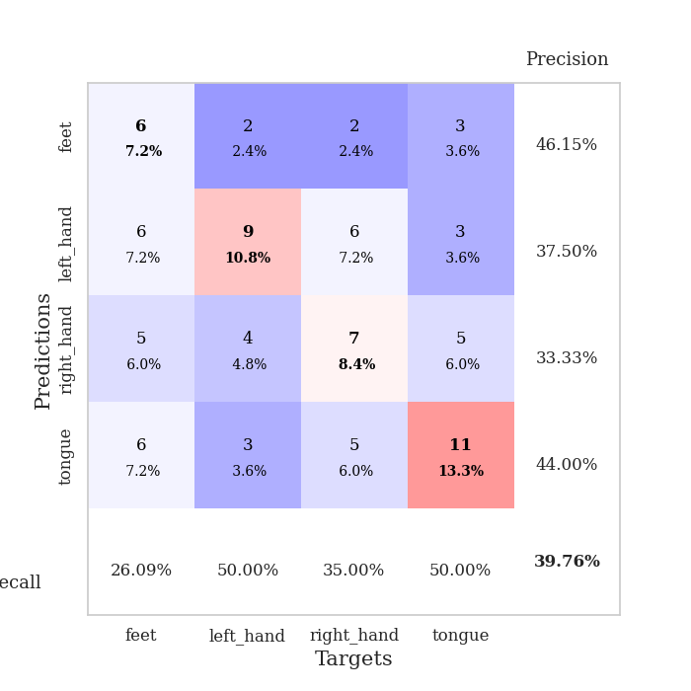
best_val_acc | best_val_los | best_test_acc
0.39130434783 | 1.4550305035 | 0.30172413793
0.34782608696 | 1.4793683912 | 0.21551724138
0.38043478261 | 1.4786834924 | 0.31034482759
0.38043478261 | 1.5180357073 | 0.30172413793
0.35869565217 | 1.4876240077 | 0.22413793103
0.39130434783 | 1.4499957717 | 0.31034482759
0.40217391304 | 1.4009501675 | 0.23275862069
0.38043478261 | 1.3766152962 | 0.31896551724
0.40217391304 | 1.462621834 | 0.26724137931
0.39130434783 | 1.3853199793 | 0.38793103448

Mean,std Val accuracy is 0.3826086956521739 , 0.01760138811810308 and mean, std test accuracy is 0.28706896551724137 , 0.05283763146893442

Sheet1
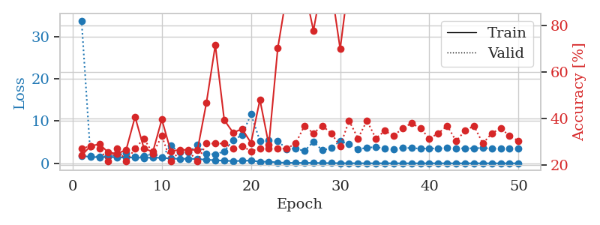
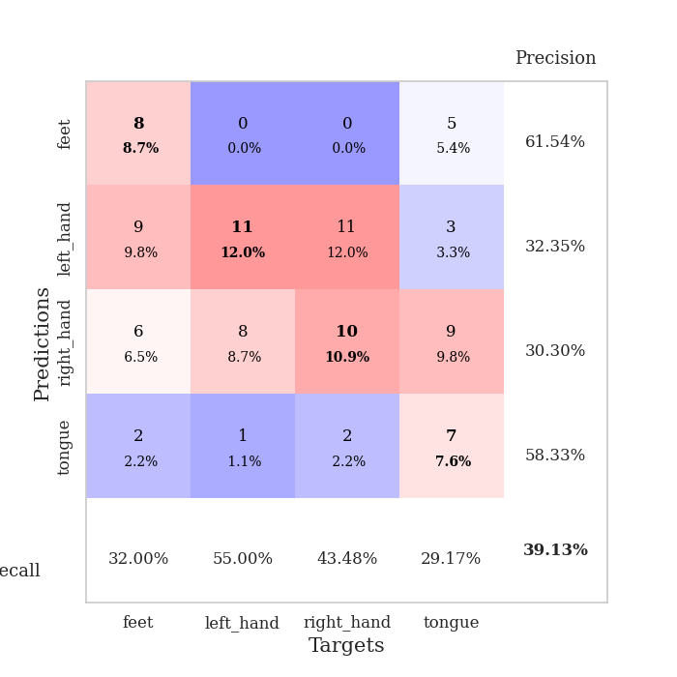
train_loss | valid_loss | train_accuracy | valid_accuracy | dur | train_misclass | valid_misclass
1.7905631221 | 33.818463699 | 0.24184782609 | 0.27173913043 | 1.1529061794 | 24.184782609 | 27.173913043
1.4944276965 | 1.806747338 | 0.28260869565 | 0.28260869565 | 1.1503016949 | 28.260869565 | 28.260869565
1.4547732343 | 1.511442739 | 0.29076086957 | 0.27173913043 | 1.1505222321 | 29.076086957 | 27.173913043
1.4886076347 | 1.6961206353 | 0.25543478261 | 0.21739130435 | 1.1499652863 | 25.543478261 | 21.739130435
1.4192674367 | 1.89378189 | 0.25 | 0.27173913043 | 1.1500914097 | 25 | 27.173913043
1.3610961645 | 2.4742423037 | 0.26630434783 | 0.21739130435 | 1.1493782997 | 26.630434783 | 21.739130435
1.3833467338 | 1.5370129554 | 0.40760869565 | 0.27173913043 | 1.14975667 | 40.760869565 | 27.173913043
1.2806130751 | 1.6647605533 | 0.27173913043 | 0.3152173913 | 1.1494853497 | 27.173913043 | 31.52173913
1.3479948355 | 2.2743047631 | 0.25815217391 | 0.25 | 1.1514809132 | 25.815217391 | 25
1.3020730174 | 1.4550305035 | 0.39673913043 | 0.32608695652 | 1.1500239372 | 39.673913043 | 32.608695652
1.1350174702 | 4.1923337397 | 0.26086956522 | 0.21739130435 | 1.1516435146 | 26.086956522 | 21.739130435
1.0588452686 | 2.6130326002 | 0.26630434783 | 0.26086956522 | 1.1498763561 | 26.630434783 | 26.086956522
1.0885170491 | 2.5349969449 | 0.26630434783 | 0.26086956522 | 1.1498677731 | 26.630434783 | 26.086956522
1.0209483686 | 4.3612425224 | 0.26630434783 | 0.21739130435 | 1.1505877972 | 26.630434783 | 21.739130435
0.84220763134 | 2.2116779348 | 0.46739130435 | 0.29347826087 | 1.1508059502 | 46.739130435 | 29.347826087
0.73783804671 | 2.1302411815 | 0.71467391304 | 0.29347826087 | 1.1507496834 | 71.467391304 | 29.347826087
0.61550935585 | 2.8252461993 | 0.39402173913 | 0.29347826087 | 1.1507685184 | 39.402173913 | 29.347826087
0.53467028815 | 5.5519445875 | 0.33967391304 | 0.27173913043 | 1.1501870155 | 33.967391304 | 27.173913043
0.5845394128 | 6.6692008972 | 0.35597826087 | 0.28260869565 | 1.1508076191 | 35.597826087 | 28.260869565
0.66250602188 | 11.676293124 | 0.29619565217 | 0.26086956522 | 1.1510653496 | 29.619565217 | 26.086956522
0.36431288752 | 5.3100935273 | 0.48097826087 | 0.27173913043 | 1.1509943008 | 48.097826087 | 27.173913043
0.38671097678 | 5.3921988114 | 0.28804347826 | 0.27173913043 | 1.1509099007 | 28.804347826 | 27.173913043
0.20583794752 | 5.292284385 | 0.70108695652 | 0.27173913043 | 1.1509411335 | 70.108695652 | 27.173913043
0.12755714908 | 3.4110395079 | 0.93206521739 | 0.27173913043 | 1.1513893604 | 93.206521739 | 27.173913043
0.099316831719 | 3.5021403354 | 0.98641304348 | 0.29347826087 | 1.1516525745 | 98.641304348 | 29.347826087
0.10278491376 | 2.9202767766 | 0.95923913043 | 0.36956521739 | 1.1513435841 | 95.923913043 | 36.956521739
0.10264855718 | 5.1249718044 | 0.77717391304 | 0.33695652174 | 1.1506958008 | 77.717391304 | 33.695652174
0.059512763183 | 3.0695564332 | 0.98369565217 | 0.36956521739 | 1.1507678032 | 98.369565217 | 36.956521739
0.046687657591 | 3.6377392955 | 0.95923913043 | 0.33695652174 | 1.151350975 | 95.923913043 | 33.695652174
0.037073763361 | 5.291293082 | 0.69836956522 | 0.28260869565 | 1.1510977745 | 69.836956522 | 28.260869565
0.020716996175 | 4.4881762629 | 0.9972826087 | 0.39130434783 | 1.1514902115 | 99.72826087 | 39.130434783
0.02055516098 | 3.3552675558 | 1 | 0.3152173913 | 1.1511700153 | 100 | 31.52173913
0.0082264399186 | 3.672242092 | 1 | 0.39130434783 | 1.1510531902 | 100 | 39.130434783
0.010506933818 | 3.8738792772 | 1 | 0.3152173913 | 1.1516201496 | 100 | 31.52173913
0.012175867817 | 3.430612108 | 1 | 0.34782608696 | 1.1508905888 | 100 | 34.782608696
0.0062380818569 | 3.4143224799 | 1 | 0.32608695652 | 1.1519787312 | 100 | 32.608695652
0.0051852454274 | 3.6784173198 | 1 | 0.35869565217 | 1.150728941 | 100 | 35.869565217
0.0041223134714 | 3.6020180764 | 1 | 0.38043478261 | 1.1518363953 | 100 | 38.043478261
0.0052801018945 | 3.4823941873 | 1 | 0.35869565217 | 1.1512525082 | 100 | 35.869565217
0.0062167803408 | 3.5233534108 | 1 | 0.3152173913 | 1.1512782574 | 100 | 31.52173913
0.0070880704747 | 3.5277831969 | 1 | 0.33695652174 | 1.1517021656 | 100 | 33.695652174
0.0051374141679 | 3.6192649344 | 1 | 0.36956521739 | 1.151512146 | 100 | 36.956521739
0.0035288222172 | 3.5540693428 | 1 | 0.30434782609 | 1.1518220901 | 100 | 30.434782609
0.002671910851 | 3.5508501219 | 1 | 0.34782608696 | 1.1521492004 | 100 | 34.782608696
0.0041905842486 | 3.5751648571 | 1 | 0.36956521739 | 1.1514279842 | 100 | 36.956521739
0.0080858364514 | 3.6322669154 | 1 | 0.29347826087 | 1.1522414684 | 100 | 29.347826087
0.0047623061881 | 3.4830294796 | 1 | 0.33695652174 | 1.1522312164 | 100 | 33.695652174
0.0011616094359 | 3.5344415851 | 1 | 0.35869565217 | 1.1529009342 | 100 | 35.869565217
0.0018113771524 | 3.5118907016 | 1 | 0.32608695652 | 1.1524205208 | 100 | 32.608695652
0.0042640673397 | 3.5315079896 | 1 | 0.30434782609 | 1.1519062519 | 100 | 30.434782609

Best Val accuracy is 0.391304347826087 and Best test accuracy is 0.3017241379310345

Sheet2
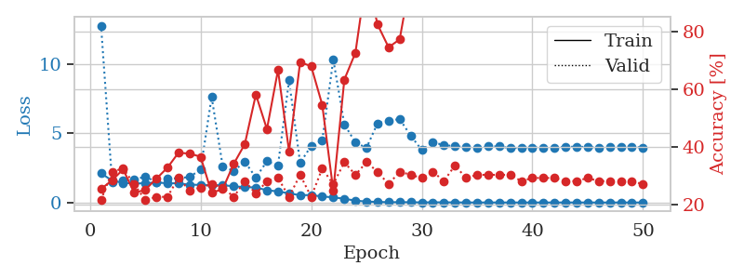
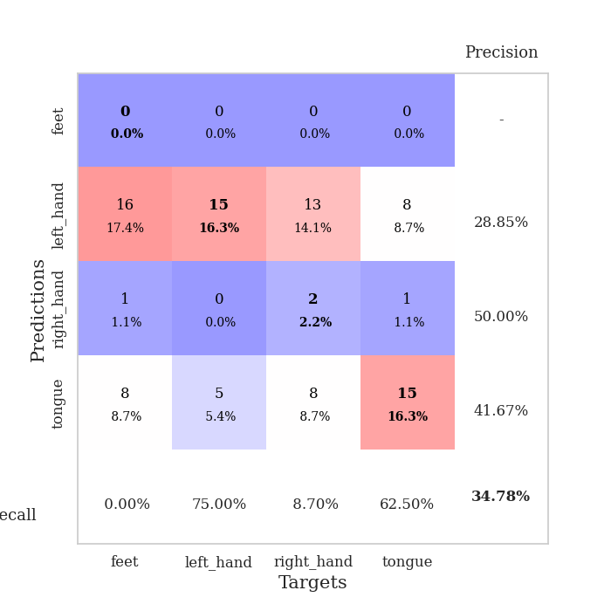
train_loss | valid_loss | train_accuracy | valid_accuracy | dur | train_misclass | valid_misclass
2.1117764971 | 12.768640311 | 0.25543478261 | 0.21739130435 | 1.1527268887 | 25.543478261 | 21.739130435
1.5826514026 | 1.493425644 | 0.28532608696 | 0.3152173913 | 1.1491816044 | 28.532608696 | 31.52173913
1.4159727097 | 1.5767370722 | 0.32336956522 | 0.32608695652 | 1.147736311 | 32.336956522 | 32.608695652
1.3690199593 | 1.6552852133 | 0.24184782609 | 0.27173913043 | 1.1492679119 | 24.184782609 | 27.173913043
1.3956126648 | 1.8674417579 | 0.2527173913 | 0.21739130435 | 1.1498064995 | 25.27173913 | 21.739130435
1.4506778717 | 1.4793683912 | 0.29076086957 | 0.22826086957 | 1.149132967 | 29.076086957 | 22.826086957
1.3877186464 | 1.7417661159 | 0.32880434783 | 0.22826086957 | 1.1493952274 | 32.880434783 | 22.826086957
1.3861404813 | 1.7493954068 | 0.38043478261 | 0.29347826087 | 1.1495995522 | 38.043478261 | 29.347826087
1.2836961021 | 1.8458633008 | 0.3777173913 | 0.25 | 1.1499845982 | 37.77173913 | 25
1.275970262 | 2.3685582099 | 0.36684782609 | 0.26086956522 | 1.1496796608 | 36.684782609 | 26.086956522
1.2394406018 | 7.6177473898 | 0.24184782609 | 0.27173913043 | 1.15041399 | 24.184782609 | 27.173913043
1.2592403059 | 2.6331116117 | 0.25543478261 | 0.26086956522 | 1.1496055126 | 25.543478261 | 26.086956522
1.1644646966 | 2.2776408299 | 0.34239130435 | 0.22826086957 | 1.1498165131 | 34.239130435 | 22.826086957
1.1144916985 | 2.9481225325 | 0.41032608696 | 0.28260869565 | 1.1507563591 | 41.032608696 | 28.260869565
1.0861642775 | 1.8026882617 | 0.58152173913 | 0.23913043478 | 1.1495885849 | 58.152173913 | 23.913043478
0.88713315777 | 2.9735596802 | 0.46195652174 | 0.28260869565 | 1.1502144337 | 46.195652174 | 28.260869565
0.80303289579 | 2.6694967436 | 0.66576086957 | 0.29347826087 | 1.1500442028 | 66.576086957 | 29.347826087
0.66170889917 | 8.8149202803 | 0.38586956522 | 0.22826086957 | 1.1504399776 | 38.586956522 | 22.826086957
0.52945021378 | 2.8652544955 | 0.69293478261 | 0.30434782609 | 1.1500380039 | 69.293478261 | 30.434782609
0.54007732868 | 4.0803453715 | 0.67934782609 | 0.22826086957 | 1.1510670185 | 67.934782609 | 22.826086957
0.43159501838 | 4.4712034516 | 0.54619565217 | 0.32608695652 | 1.1502399445 | 54.619565217 | 32.608695652
0.37680695238 | 10.322071117 | 0.25 | 0.27173913043 | 1.1514766216 | 25 | 27.173913043
0.26965038673 | 5.6459385416 | 0.63315217391 | 0.34782608696 | 1.1508316994 | 63.315217391 | 34.782608696
0.13895061053 | 4.3281342672 | 0.72554347826 | 0.30434782609 | 1.151620388 | 72.554347826 | 30.434782609
0.069929323362 | 3.9444013989 | 0.99184782609 | 0.34782608696 | 1.1513466835 | 99.184782609 | 34.782608696
0.04540448405 | 5.7201119091 | 0.82336956522 | 0.3152173913 | 1.1516284943 | 82.336956522 | 31.52173913
0.023482597494 | 5.9000858431 | 0.74456521739 | 0.27173913043 | 1.1507322788 | 74.456521739 | 27.173913043
0.027935416296 | 6.0208694002 | 0.77173913043 | 0.3152173913 | 1.1515226364 | 77.173913043 | 31.52173913
0.021309450223 | 4.8250235475 | 0.98369565217 | 0.30434782609 | 1.1508688927 | 98.369565217 | 30.434782609
0.0092788242998 | 3.7908563821 | 1 | 0.29347826087 | 1.1518127918 | 100 | 29.347826087
0.017665103134 | 4.3631870228 | 1 | 0.3152173913 | 1.1513705254 | 100 | 31.52173913
0.0133520146 | 4.1322439235 | 1 | 0.28260869565 | 1.1516914368 | 100 | 28.260869565
0.011072411339 | 4.0771911663 | 1 | 0.33695652174 | 1.1516287327 | 100 | 33.695652174
0.0042939705612 | 3.9803435077 | 1 | 0.29347826087 | 1.1517019272 | 100 | 29.347826087
0.0049076472844 | 3.9220605311 | 1 | 0.30434782609 | 1.1516788006 | 100 | 30.434782609
0.0045561750809 | 4.0500145166 | 1 | 0.30434782609 | 1.1514832973 | 100 | 30.434782609
0.0046241133443 | 4.0538295456 | 1 | 0.30434782609 | 1.1522886753 | 100 | 30.434782609
0.0028912691835 | 3.9229512629 | 1 | 0.30434782609 | 1.1513857841 | 100 | 30.434782609
0.002651191805 | 3.9496229628 | 1 | 0.28260869565 | 1.1524004936 | 100 | 28.260869565
0.0044195200544 | 3.9728779171 | 1 | 0.29347826087 | 1.1508290768 | 100 | 29.347826087
0.0041035151162 | 3.9745785464 | 1 | 0.29347826087 | 1.1522693634 | 100 | 29.347826087
0.0025317271863 | 3.9587602408 | 1 | 0.29347826087 | 1.1522417068 | 100 | 29.347826087
0.0067869934485 | 4.0172834189 | 1 | 0.28260869565 | 1.1521532536 | 100 | 28.260869565
0.0030540353973 | 4.0273102055 | 1 | 0.28260869565 | 1.1520836353 | 100 | 28.260869565
0.0045925765589 | 4.0061191269 | 1 | 0.29347826087 | 1.152967453 | 100 | 29.347826087
0.0021739465643 | 3.9602248772 | 1 | 0.28260869565 | 1.1519188881 | 100 | 28.260869565
0.0030394197016 | 4.0303974566 | 1 | 0.28260869565 | 1.1531260014 | 100 | 28.260869565
0.0036537455947 | 4.041092147 | 1 | 0.28260869565 | 1.1521112919 | 100 | 28.260869565
0.002563410717 | 4.0267283813 | 1 | 0.28260869565 | 1.1520638466 | 100 | 28.260869565
0.0028943852003 | 3.9658631242 | 1 | 0.27173913043 | 1.1525874138 | 100 | 27.173913043

Best Val accuracy is 0.34782608695652173 and Best test accuracy is 0.21551724137931033

Sheet3
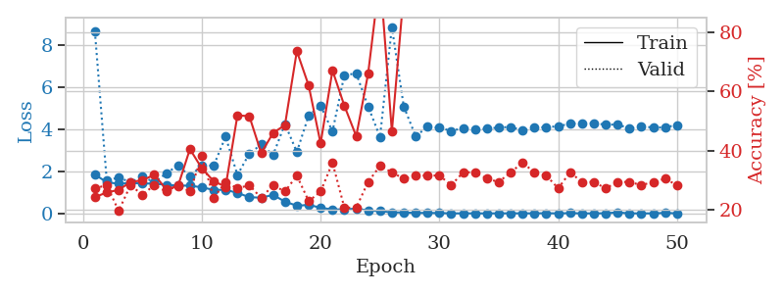
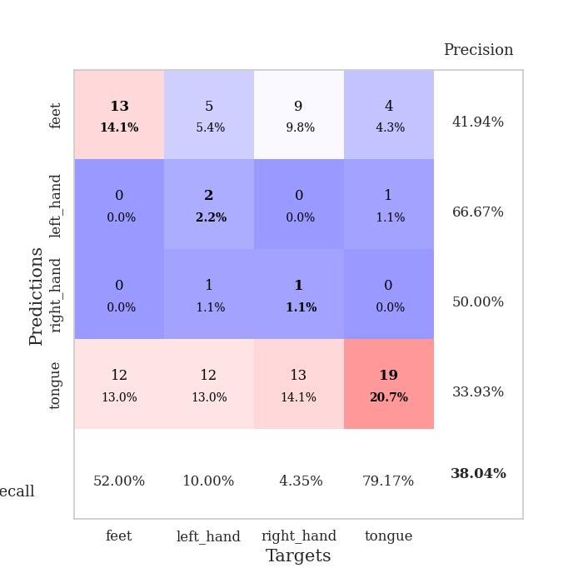
train_loss | valid_loss | train_accuracy | valid_accuracy | dur | train_misclass | valid_misclass
1.8465307174 | 8.6360398168 | 0.24184782609 | 0.27173913043 | 1.1496202946 | 24.184782609 | 27.173913043
1.4786293921 | 1.5534810242 | 0.25815217391 | 0.28260869565 | 1.148337841 | 25.815217391 | 28.260869565
1.4101254733 | 1.7081721295 | 0.26630434783 | 0.19565217391 | 1.1495881081 | 26.630434783 | 19.565217391
1.4457929342 | 1.4786834924 | 0.29347826087 | 0.28260869565 | 1.1494755745 | 29.347826087 | 28.260869565
1.4230697155 | 1.7502729945 | 0.29891304348 | 0.25 | 1.1499218941 | 29.891304348 | 25
1.4165382385 | 1.481561469 | 0.31793478261 | 0.28260869565 | 1.149528265 | 31.793478261 | 28.260869565
1.3554320491 | 1.8945158461 | 0.26902173913 | 0.26086956522 | 1.1497159004 | 26.902173913 | 26.086956522
1.3251837751 | 2.2861788998 | 0.27989130435 | 0.28260869565 | 1.1500771046 | 27.989130435 | 28.260869565
1.3171229881 | 1.7560478034 | 0.40489130435 | 0.26086956522 | 1.1501069069 | 40.489130435 | 26.086956522
1.2391347963 | 2.2900582189 | 0.33967391304 | 0.38043478261 | 1.1500165462 | 33.967391304 | 38.043478261
1.1168719582 | 2.2652454895 | 0.29619565217 | 0.23913043478 | 1.1520178318 | 29.619565217 | 23.913043478
1.1213297248 | 3.6406379057 | 0.27717391304 | 0.29347826087 | 1.1497502327 | 27.717391304 | 29.347826087
0.97564026325 | 1.825028943 | 0.51902173913 | 0.27173913043 | 1.1507174969 | 51.902173913 | 27.173913043
0.77061909437 | 2.8367277954 | 0.51630434783 | 0.28260869565 | 1.1501023769 | 51.630434783 | 28.260869565
0.74780255556 | 3.2704906464 | 0.39130434783 | 0.23913043478 | 1.1502091885 | 39.130434783 | 23.913043478
0.87872429775 | 2.770973812 | 0.45923913043 | 0.28260869565 | 1.1499731541 | 45.923913043 | 28.260869565
0.56056215906 | 4.2445533794 | 0.48641304348 | 0.26086956522 | 1.1508049965 | 48.641304348 | 26.086956522
0.36598681561 | 2.9161998707 | 0.73641304348 | 0.3152173913 | 1.1508738995 | 73.641304348 | 31.52173913
0.40536595071 | 4.6486140852 | 0.61956521739 | 0.22826086957 | 1.1510128975 | 61.956521739 | 22.826086957
0.27292529558 | 5.1162182144 | 0.42391304348 | 0.26086956522 | 1.1505219936 | 42.391304348 | 26.086956522
0.18519470501 | 3.8882215334 | 0.67119565217 | 0.35869565217 | 1.1508533955 | 67.119565217 | 35.869565217
0.19702237909 | 6.5684203894 | 0.55163043478 | 0.20652173913 | 1.1504950523 | 55.163043478 | 20.652173913
0.22756299652 | 6.6368741367 | 0.44836956522 | 0.20652173913 | 1.1508800983 | 44.836956522 | 20.652173913
0.14289544612 | 5.0773316466 | 0.66032608696 | 0.29347826087 | 1.1515862942 | 66.032608696 | 29.347826087
0.1079191772 | 3.6262913476 | 0.99184782609 | 0.34782608696 | 1.1512107849 | 99.184782609 | 34.782608696
0.054441354653 | 8.8470265347 | 0.46467391304 | 0.32608695652 | 1.151009798 | 46.467391304 | 32.608695652
0.044112342946 | 5.0745475603 | 0.9347826087 | 0.30434782609 | 1.1512722969 | 93.47826087 | 30.434782609
0.02584618984 | 3.6647134864 | 1 | 0.3152173913 | 1.1512346268 | 100 | 31.52173913
0.02560897785 | 4.1066982124 | 0.9972826087 | 0.3152173913 | 1.1506576538 | 99.72826087 | 31.52173913
0.01896071228 | 4.0645960103 | 1 | 0.3152173913 | 1.1518466473 | 100 | 31.52173913
0.0045530851399 | 3.9190032068 | 1 | 0.28260869565 | 1.1511154175 | 100 | 28.260869565
0.0051935405911 | 4.0457873033 | 1 | 0.32608695652 | 1.1526865959 | 100 | 32.608695652
0.0050961768417 | 3.9877663073 | 1 | 0.32608695652 | 1.1518793106 | 100 | 32.608695652
0.0035567641544 | 4.016092912 | 1 | 0.30434782609 | 1.1516580582 | 100 | 30.434782609
0.0049013331578 | 4.0817839166 | 1 | 0.29347826087 | 1.1527807713 | 100 | 29.347826087
0.0079144301581 | 4.1008520956 | 1 | 0.32608695652 | 1.1531095505 | 100 | 32.608695652
0.0073022552242 | 3.9445847739 | 1 | 0.35869565217 | 1.1526691914 | 100 | 35.869565217
0.0051744966262 | 4.0597425544 | 1 | 0.32608695652 | 1.1524789333 | 100 | 32.608695652
0.012783616893 | 4.1023329859 | 1 | 0.3152173913 | 1.1522574425 | 100 | 31.52173913
0.0030424759164 | 4.1293028438 | 1 | 0.27173913043 | 1.1525409222 | 100 | 27.173913043
0.016505894319 | 4.2652402961 | 1 | 0.32608695652 | 1.1516530514 | 100 | 32.608695652
0.004693178026 | 4.2629921229 | 1 | 0.29347826087 | 1.1522374153 | 100 | 29.347826087
0.0027319907449 | 4.2838773831 | 1 | 0.29347826087 | 1.1524624825 | 100 | 29.347826087
0.011449519275 | 4.2110649503 | 1 | 0.27173913043 | 1.15188241 | 100 | 27.173913043
0.04959951997 | 4.2194452597 | 1 | 0.29347826087 | 1.1522507668 | 100 | 29.347826087
0.0046831251061 | 4.0342520838 | 1 | 0.29347826087 | 1.1517810822 | 100 | 29.347826087
0.0047333631639 | 4.1403460295 | 1 | 0.28260869565 | 1.1527161598 | 100 | 28.260869565
0.0033121444184 | 4.0703905251 | 1 | 0.29347826087 | 1.1515238285 | 100 | 29.347826087
0.02766516028 | 4.0876278359 | 1 | 0.30434782609 | 1.1518671513 | 100 | 30.434782609
0.0054529376642 | 4.1957233574 | 1 | 0.28260869565 | 1.1519546509 | 100 | 28.260869565

Best Val accuracy is 0.3804347826086957 and Best test accuracy is 0.3103448275862069

Sheet4
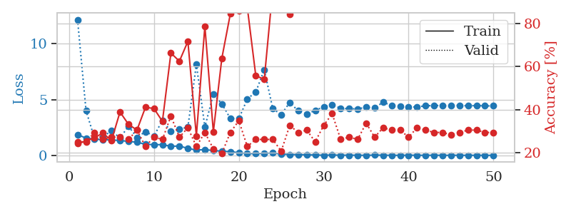
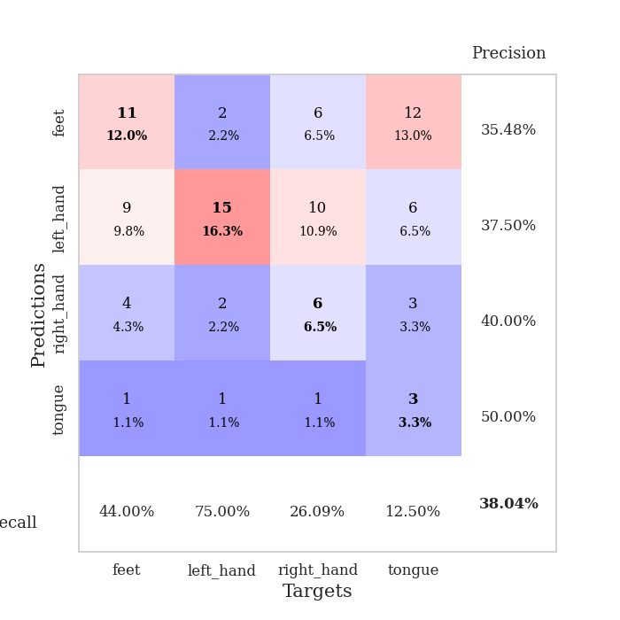
train_loss | valid_loss | train_accuracy | valid_accuracy | dur | train_misclass | valid_misclass
1.8555938109 | 12.158880773 | 0.24184782609 | 0.25 | 1.1543035507 | 24.184782609 | 25
1.5471296932 | 4.0088736285 | 0.2527173913 | 0.25 | 1.1502833366 | 25.27173913 | 25
1.4425917294 | 1.5180357073 | 0.26902173913 | 0.29347826087 | 1.1506102085 | 26.902173913 | 29.347826087
1.4156026892 | 1.6580210406 | 0.29076086957 | 0.26086956522 | 1.1513345242 | 29.076086957 | 26.086956522
1.3732430054 | 2.2094264445 | 0.25543478261 | 0.27173913043 | 1.1494641304 | 25.543478261 | 27.173913043
1.3359323274 | 1.5493787268 | 0.38858695652 | 0.27173913043 | 1.1509325504 | 38.858695652 | 27.173913043
1.2469783814 | 2.6083570045 | 0.33152173913 | 0.26086956522 | 1.1504347324 | 33.152173913 | 26.086956522
1.182453267 | 1.6121480206 | 0.30434782609 | 0.30434782609 | 1.1504461765 | 30.434782609 | 30.434782609
0.98784882608 | 2.1249242658 | 0.41032608696 | 0.22826086957 | 1.1520507336 | 41.032608696 | 22.826086957
0.96336034329 | 1.7312993019 | 0.40489130435 | 0.27173913043 | 1.1502788067 | 40.489130435 | 27.173913043
0.95659202596 | 3.1424497832 | 0.34510869565 | 0.26086956522 | 1.1495776176 | 34.510869565 | 26.086956522
0.81335001666 | 2.1431770377 | 0.66304347826 | 0.36956521739 | 1.1489706039 | 66.304347826 | 36.956521739
0.83618465843 | 2.3516093855 | 0.625 | 0.27173913043 | 1.1505367756 | 62.5 | 27.173913043
0.6232197492 | 2.5250687029 | 0.71739130435 | 0.3152173913 | 1.1494441032 | 71.739130435 | 31.52173913
0.47601395198 | 8.1474074903 | 0.27717391304 | 0.22826086957 | 1.1498947144 | 27.717391304 | 22.826086957
0.51550569871 | 2.5358903253 | 0.78804347826 | 0.29347826087 | 1.1507515907 | 78.804347826 | 29.347826087
0.42968563995 | 5.4679945655 | 0.29619565217 | 0.21739130435 | 1.1504735947 | 29.619565217 | 21.739130435
0.37575981734 | 4.6184182167 | 0.63858695652 | 0.19565217391 | 1.150908947 | 63.858695652 | 19.565217391
0.33075798173 | 3.3038281047 | 0.84510869565 | 0.29347826087 | 1.1495778561 | 84.510869565 | 29.347826087
0.23937995586 | 3.2795424669 | 0.86141304348 | 0.34782608696 | 1.1499671936 | 86.141304348 | 34.782608696
0.1645684009 | 5.0506385928 | 0.875 | 0.22826086957 | 1.1499760151 | 87.5 | 22.826086957
0.14992142582 | 5.6748802973 | 0.55706521739 | 0.26086956522 | 1.1505479813 | 55.706521739 | 26.086956522
0.18148300311 | 7.6793526567 | 0.54076086957 | 0.26086956522 | 1.1510949135 | 54.076086957 | 26.086956522
0.21852246607 | 4.1809397573 | 0.96195652174 | 0.26086956522 | 1.1509706974 | 96.195652174 | 26.086956522
0.11165892308 | 3.6540918039 | 0.97826086957 | 0.20652173913 | 1.1499967575 | 97.826086957 | 20.652173913
0.077107724774 | 4.7352415168 | 0.84239130435 | 0.32608695652 | 1.1499197483 | 84.239130435 | 32.608695652
0.063313610649 | 3.9844079951 | 0.9972826087 | 0.29347826087 | 1.1507680416 | 99.72826087 | 29.347826087
0.05206893514 | 3.7033653985 | 0.9972826087 | 0.30434782609 | 1.1504647732 | 99.72826087 | 30.434782609
0.032219186142 | 4.0314864283 | 0.9972826087 | 0.25 | 1.1506121159 | 99.72826087 | 25
0.014857032853 | 4.3462001344 | 1 | 0.32608695652 | 1.1514673233 | 100 | 32.608695652
0.029579261875 | 4.5231871605 | 0.9972826087 | 0.38043478261 | 1.1506438255 | 99.72826087 | 38.043478261
0.015818559727 | 4.2198797931 | 1 | 0.26086956522 | 1.150427103 | 100 | 26.086956522
0.017155619905 | 4.1762158145 | 1 | 0.27173913043 | 1.150372982 | 100 | 27.173913043
0.013155494958 | 4.1652668352 | 1 | 0.26086956522 | 1.151414156 | 100 | 26.086956522
0.0048135734725 | 4.3095689442 | 1 | 0.33695652174 | 1.1512715816 | 100 | 33.695652174
0.02491416156 | 4.2512171787 | 1 | 0.27173913043 | 1.1510455608 | 100 | 27.173913043
0.017471868674 | 4.7642122766 | 1 | 0.3152173913 | 1.150806427 | 100 | 31.52173913
0.0071584648357 | 4.4618815754 | 1 | 0.30434782609 | 1.151736021 | 100 | 30.434782609
0.0045138012906 | 4.4226524726 | 1 | 0.30434782609 | 1.1507396698 | 100 | 30.434782609
0.015176052843 | 4.3088755815 | 1 | 0.27173913043 | 1.1509587765 | 100 | 27.173913043
0.011590897822 | 4.3500861914 | 1 | 0.3152173913 | 1.1507439613 | 100 | 31.52173913
0.0060862498105 | 4.429422731 | 1 | 0.30434782609 | 1.1505918503 | 100 | 30.434782609
0.014013691264 | 4.4707848093 | 1 | 0.29347826087 | 1.1520469189 | 100 | 29.347826087
0.0069452927729 | 4.4520925232 | 1 | 0.29347826087 | 1.1514353752 | 100 | 29.347826087
0.0065019416405 | 4.456803467 | 1 | 0.28260869565 | 1.1511416435 | 100 | 28.260869565
0.011647446473 | 4.4799112237 | 1 | 0.29347826087 | 1.1516976357 | 100 | 29.347826087
0.0035024391368 | 4.43276594 | 1 | 0.30434782609 | 1.1517879963 | 100 | 30.434782609
0.011102663652 | 4.4645453121 | 1 | 0.30434782609 | 1.1526296139 | 100 | 30.434782609
0.0030829011306 | 4.4298117472 | 1 | 0.29347826087 | 1.1520235538 | 100 | 29.347826087
0.0064618285915 | 4.4288610997 | 1 | 0.29347826087 | 1.1521019936 | 100 | 29.347826087

Best Val accuracy is 0.3804347826086957 and Best test accuracy is 0.3017241379310345

Sheet5
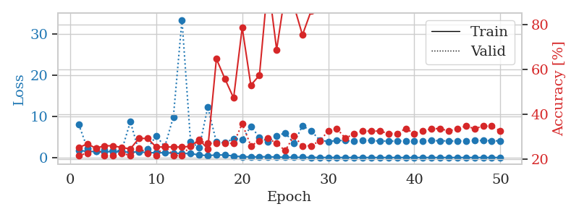
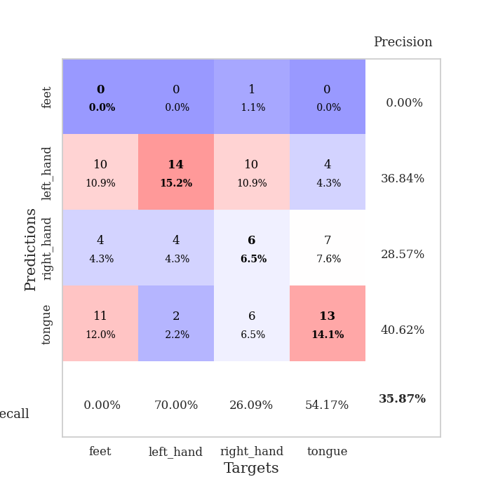
train_loss | valid_loss | train_accuracy | valid_accuracy | dur | train_misclass | valid_misclass
1.7584804089 | 8.0458359926 | 0.2527173913 | 0.21739130435 | 1.1546316147 | 25.27173913 | 21.739130435
1.4677129984 | 2.3075316315 | 0.26902173913 | 0.22826086957 | 1.1478123665 | 26.902173913 | 22.826086957
1.4535509814 | 1.571744753 | 0.25 | 0.25 | 1.1478860378 | 25 | 25
1.4312670335 | 1.8990943795 | 0.26086956522 | 0.21739130435 | 1.1475801468 | 26.086956522 | 21.739130435
1.4129500337 | 1.6331853607 | 0.26086956522 | 0.21739130435 | 1.1501951218 | 26.086956522 | 21.739130435
1.3651275479 | 1.7361548102 | 0.2527173913 | 0.22826086957 | 1.1502912045 | 25.27173913 | 22.826086957
1.3175536861 | 8.7242055769 | 0.2472826087 | 0.21739130435 | 1.1500296593 | 24.72826087 | 21.739130435
1.3471602461 | 1.4876240077 | 0.29347826087 | 0.25 | 1.1496200562 | 29.347826087 | 25
1.2245650654 | 2.138169242 | 0.29347826087 | 0.22826086957 | 1.1492552757 | 29.347826087 | 22.826086957
1.1370421026 | 5.2979453336 | 0.25543478261 | 0.21739130435 | 1.1495494843 | 25.543478261 | 21.739130435
1.1847171006 | 2.626864029 | 0.25543478261 | 0.26086956522 | 1.1494672298 | 25.543478261 | 26.086956522
1.0435801408 | 9.8709178593 | 0.25543478261 | 0.21739130435 | 1.1515283585 | 25.543478261 | 21.739130435
0.9933829178 | 33.475374471 | 0.25543478261 | 0.21739130435 | 1.149834156 | 25.543478261 | 21.739130435
0.94744185779 | 3.7842982334 | 0.25815217391 | 0.26086956522 | 1.1501379013 | 25.815217391 | 26.086956522
0.63518978591 | 2.4246369134 | 0.28804347826 | 0.28260869565 | 1.1499979496 | 28.804347826 | 28.260869565
0.449010527 | 12.250108429 | 0.2472826087 | 0.27173913043 | 1.15168643 | 24.72826087 | 27.173913043
0.63582926406 | 3.747491225 | 0.64673913043 | 0.27173913043 | 1.149636507 | 64.673913043 | 27.173913043
0.60941337567 | 3.5770001515 | 0.55706521739 | 0.27173913043 | 1.1507441998 | 55.706521739 | 27.173913043
0.35563194719 | 4.5989545325 | 0.47282608696 | 0.27173913043 | 1.150393486 | 47.282608696 | 27.173913043
0.21558146827 | 4.393988516 | 0.78532608696 | 0.35869565217 | 1.1518802643 | 78.532608696 | 35.869565217
0.15049255575 | 7.5263008657 | 0.52989130435 | 0.26086956522 | 1.1511316299 | 52.989130435 | 26.086956522
0.17875345764 | 4.9560682877 | 0.57336956522 | 0.28260869565 | 1.1499733925 | 57.336956522 | 28.260869565
0.20903801586 | 3.8311789036 | 0.98913043478 | 0.29347826087 | 1.1502015591 | 98.913043478 | 29.347826087
0.10912003741 | 5.2584987101 | 0.6875 | 0.27173913043 | 1.1494224072 | 68.75 | 27.173913043
0.074524469593 | 5.9794996303 | 0.9402173913 | 0.23913043478 | 1.1501624584 | 94.02173913 | 23.913043478
0.05090094957 | 3.5008848543 | 0.88315217391 | 0.30434782609 | 1.1492466927 | 88.315217391 | 30.434782609
0.045270893541 | 7.6837729164 | 0.7527173913 | 0.26086956522 | 1.1492543221 | 75.27173913 | 26.086956522
0.034588536895 | 6.5214498769 | 0.85869565217 | 0.26086956522 | 1.1495654583 | 85.869565217 | 26.086956522
0.014894997023 | 4.2358936745 | 0.9972826087 | 0.28260869565 | 1.1502687931 | 99.72826087 | 28.260869565
0.01320086164 | 3.876473375 | 1 | 0.32608695652 | 1.1500868797 | 100 | 32.608695652
0.012102491635 | 4.1548931288 | 1 | 0.33695652174 | 1.150151968 | 100 | 33.695652174
0.0063713983982 | 4.1018706612 | 1 | 0.29347826087 | 1.1496622562 | 100 | 29.347826087
0.0041219513792 | 3.9840270436 | 1 | 0.3152173913 | 1.1507554054 | 100 | 31.52173913
0.0029959447793 | 4.1708233045 | 1 | 0.32608695652 | 1.1501967907 | 100 | 32.608695652
0.0052625745454 | 4.1613473478 | 1 | 0.32608695652 | 1.1499629021 | 100 | 32.608695652
0.003754244229 | 3.9791862654 | 1 | 0.32608695652 | 1.152759552 | 100 | 32.608695652
0.0035647024355 | 4.0001514269 | 1 | 0.3152173913 | 1.1526243687 | 100 | 31.52173913
0.0051750599308 | 3.9866640671 | 1 | 0.3152173913 | 1.1516580582 | 100 | 31.52173913
0.0031039454498 | 4.0854427089 | 1 | 0.33695652174 | 1.1516225338 | 100 | 33.695652174
0.0035449759908 | 4.0654602051 | 1 | 0.3152173913 | 1.1518654823 | 100 | 31.52173913
0.0036519292195 | 4.0624403228 | 1 | 0.32608695652 | 1.1515939236 | 100 | 32.608695652
0.0034706542906 | 4.1040851241 | 1 | 0.33695652174 | 1.1518895626 | 100 | 33.695652174
0.0034522586755 | 4.076497534 | 1 | 0.33695652174 | 1.1516993046 | 100 | 33.695652174
0.0018119174954 | 4.0268557901 | 1 | 0.32608695652 | 1.1523253918 | 100 | 32.608695652
0.0029039049987 | 4.013823136 | 1 | 0.33695652174 | 1.1514754295 | 100 | 33.695652174
0.0016282984795 | 4.0685392877 | 1 | 0.34782608696 | 1.1526556015 | 100 | 34.782608696
0.0024192818306 | 4.100468024 | 1 | 0.33695652174 | 1.1538746357 | 100 | 33.695652174
0.0033424967449 | 4.1370918958 | 1 | 0.34782608696 | 1.1531133652 | 100 | 34.782608696
0.0021944641029 | 4.0831924521 | 1 | 0.34782608696 | 1.1516244411 | 100 | 34.782608696
0.0024079929205 | 4.0365187707 | 1 | 0.32608695652 | 1.152973175 | 100 | 32.608695652

Best Val accuracy is 0.358695652173913 and Best test accuracy is 0.22413793103448276

Sheet6
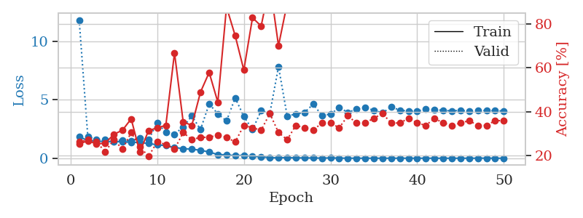
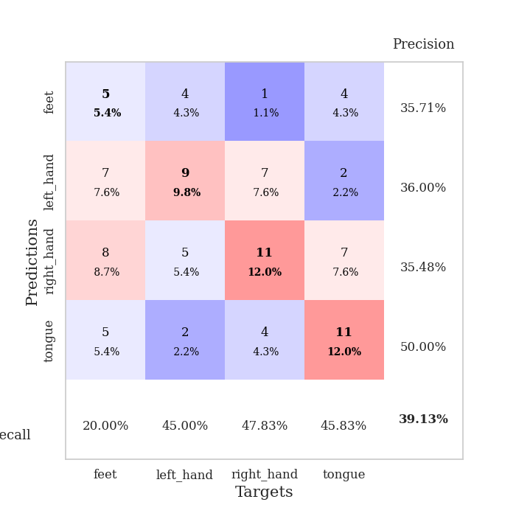
train_loss | valid_loss | train_accuracy | valid_accuracy | dur | train_misclass | valid_misclass
1.8390907878 | 11.8303408 | 0.2527173913 | 0.26086956522 | 1.1501309872 | 25.27173913 | 26.086956522
1.5191732904 | 1.8299801764 | 0.26630434783 | 0.27173913043 | 1.1468441486 | 26.630434783 | 27.173913043
1.4675405647 | 1.6007009641 | 0.2527173913 | 0.26086956522 | 1.147796154 | 25.27173913 | 26.086956522
1.4319517768 | 1.6176739205 | 0.25543478261 | 0.21739130435 | 1.1506989002 | 25.543478261 | 21.739130435
1.4289186001 | 1.5277278682 | 0.29619565217 | 0.27173913043 | 1.1494669914 | 29.619565217 | 27.173913043
1.4006564358 | 1.5537070658 | 0.3152173913 | 0.22826086957 | 1.149762392 | 31.52173913 | 22.826086957
1.3650306049 | 1.4499957717 | 0.36684782609 | 0.30434782609 | 1.1499967575 | 36.684782609 | 30.434782609
1.3526741525 | 1.740290932 | 0.21467391304 | 0.23913043478 | 1.1518523693 | 21.467391304 | 23.913043478
1.2632655735 | 1.5864370854 | 0.3125 | 0.19565217391 | 1.1492073536 | 31.25 | 19.565217391
1.1524842952 | 3.0339166496 | 0.32608695652 | 0.26086956522 | 1.1489915848 | 32.608695652 | 26.086956522
1.076854273 | 2.2211231356 | 0.33695652174 | 0.25 | 1.1500329971 | 33.695652174 | 25
0.92399592762 | 2.0627336139 | 0.66847826087 | 0.22826086957 | 1.1500766277 | 66.847826087 | 22.826086957
0.8237642594 | 2.6669088654 | 0.35326086957 | 0.30434782609 | 1.1498441696 | 35.326086957 | 30.434782609
0.77821925153 | 3.6302619602 | 0.33695652174 | 0.27173913043 | 1.1510717869 | 33.695652174 | 27.173913043
0.68214398623 | 2.4581212686 | 0.48913043478 | 0.28260869565 | 1.1498095989 | 48.913043478 | 28.260869565
0.53542641388 | 4.6487771324 | 0.57880434783 | 0.28260869565 | 1.1501321793 | 57.880434783 | 28.260869565
0.31268103809 | 3.8032041633 | 0.44293478261 | 0.29347826087 | 1.1509392262 | 44.293478261 | 29.347826087
0.29588804054 | 3.1897684025 | 0.8777173913 | 0.28260869565 | 1.1508083344 | 87.77173913 | 28.260869565
0.21573099478 | 5.1601005741 | 0.7472826087 | 0.26086956522 | 1.1502819061 | 74.72826087 | 26.086956522
0.26009367018 | 3.5826663245 | 0.58967391304 | 0.33695652174 | 1.1504125595 | 58.967391304 | 33.695652174
0.15304384235 | 2.4461942186 | 0.82880434783 | 0.32608695652 | 1.1509311199 | 82.880434783 | 32.608695652
0.13090915865 | 4.0688001488 | 0.79076086957 | 0.3152173913 | 1.1497540474 | 79.076086957 | 31.52173913
0.047803309625 | 3.8321843614 | 0.98369565217 | 0.39130434783 | 1.1503856182 | 98.369565217 | 39.130434783
0.033250542439 | 7.8394318664 | 0.70108695652 | 0.30434782609 | 1.1513469219 | 70.108695652 | 30.434782609
0.05528517444 | 3.6152127411 | 0.89402173913 | 0.27173913043 | 1.1494352818 | 89.402173913 | 27.173913043
0.028720328129 | 3.7792401728 | 0.92391304348 | 0.33695652174 | 1.1501135826 | 92.391304348 | 33.695652174
0.031371499751 | 3.9213580204 | 0.9972826087 | 0.32608695652 | 1.1510796547 | 99.72826087 | 32.608695652
0.019265094408 | 4.6197950425 | 1 | 0.3152173913 | 1.1503694057 | 100 | 31.52173913
0.014792305579 | 3.6805163311 | 1 | 0.34782608696 | 1.1513979435 | 100 | 34.782608696
0.029001966091 | 3.7587563629 | 1 | 0.34782608696 | 1.1511280537 | 100 | 34.782608696
0.013971986573 | 4.3451467182 | 1 | 0.32608695652 | 1.1507635117 | 100 | 32.608695652
0.0060170233951 | 3.9238317842 | 1 | 0.38043478261 | 1.1510331631 | 100 | 38.043478261
0.0057378126101 | 4.1988500616 | 1 | 0.34782608696 | 1.150131464 | 100 | 34.782608696
0.0055356899064 | 4.3438173688 | 1 | 0.34782608696 | 1.1509082317 | 100 | 34.782608696
0.0031120217097 | 4.0996815122 | 1 | 0.36956521739 | 1.1510233879 | 100 | 36.956521739
0.0035513818439 | 3.8767866207 | 1 | 0.39130434783 | 1.1509013176 | 100 | 39.130434783
0.0036714489587 | 4.3961146085 | 1 | 0.34782608696 | 1.150624752 | 100 | 34.782608696
0.0059445735242 | 4.113740553 | 1 | 0.34782608696 | 1.1510071754 | 100 | 34.782608696
0.0048973242924 | 4.0326109606 | 1 | 0.36956521739 | 1.1508905888 | 100 | 36.956521739
0.0034777673047 | 4.0306188905 | 1 | 0.34782608696 | 1.1511964798 | 100 | 34.782608696
0.0051664388852 | 4.2138444548 | 1 | 0.33695652174 | 1.151910305 | 100 | 33.695652174
0.0046680558589 | 4.1682887492 | 1 | 0.36956521739 | 1.151607275 | 100 | 36.956521739
0.0026130230285 | 4.0913192604 | 1 | 0.34782608696 | 1.1510703564 | 100 | 34.782608696
0.0023664533421 | 4.0555873384 | 1 | 0.33695652174 | 1.1517491341 | 100 | 33.695652174
0.0019123596209 | 4.0955082696 | 1 | 0.34782608696 | 1.1508393288 | 100 | 34.782608696
0.0047404093152 | 4.0083764895 | 1 | 0.35869565217 | 1.1512973309 | 100 | 35.869565217
0.0057674340952 | 4.0889534173 | 1 | 0.33695652174 | 1.1511523724 | 100 | 33.695652174
0.014492167565 | 4.0828968338 | 1 | 0.33695652174 | 1.1521282196 | 100 | 33.695652174
0.0031769777573 | 4.0653352167 | 1 | 0.35869565217 | 1.1520349979 | 100 | 35.869565217
0.0034304399369 | 4.0394333549 | 1 | 0.35869565217 | 1.1522772312 | 100 | 35.869565217

Best Val accuracy is 0.391304347826087 and Best test accuracy is 0.3103448275862069

Sheet7
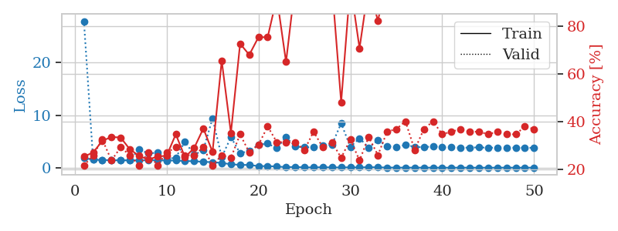
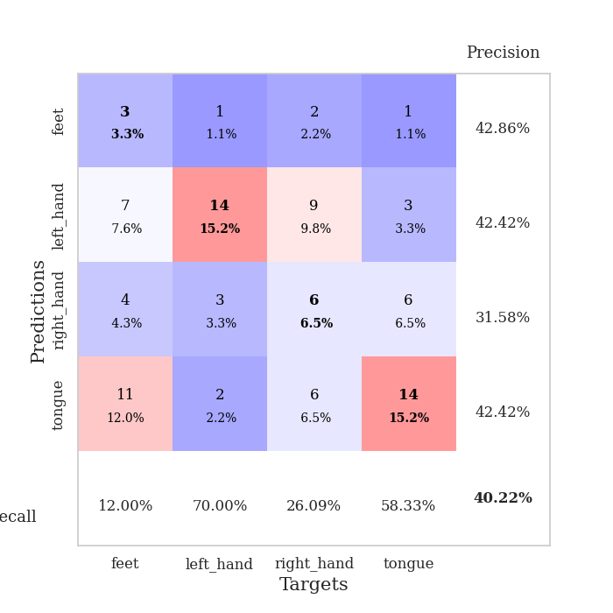
train_loss | valid_loss | train_accuracy | valid_accuracy | dur | train_misclass | valid_misclass
1.8262062125 | 27.897628452 | 0.25543478261 | 0.21739130435 | 1.1498298645 | 25.543478261 | 21.739130435
1.5275266119 | 1.5115609169 | 0.27173913043 | 0.26086956522 | 1.1487808228 | 27.173913043 | 26.086956522
1.4640021635 | 1.4009501675 | 0.32065217391 | 0.32608695652 | 1.1485273838 | 32.065217391 | 32.608695652
1.4360179849 | 1.4358999159 | 0.33695652174 | 0.23913043478 | 1.1482217312 | 33.695652174 | 23.913043478
1.407696641 | 1.415478131 | 0.33423913043 | 0.29347826087 | 1.1488473415 | 33.423913043 | 29.347826087
1.4015102957 | 1.4144122445 | 0.28532608696 | 0.26086956522 | 1.1494848728 | 28.532608696 | 26.086956522
1.4008682189 | 3.5239535207 | 0.25815217391 | 0.21739130435 | 1.1496276855 | 25.815217391 | 21.739130435
1.403426046 | 2.6782041944 | 0.24184782609 | 0.27173913043 | 1.1494510174 | 24.184782609 | 27.173913043
1.410809745 | 2.8846756064 | 0.25543478261 | 0.21739130435 | 1.1496384144 | 25.543478261 | 21.739130435
1.3487973213 | 1.6381890515 | 0.25815217391 | 0.27173913043 | 1.1494288445 | 25.815217391 | 27.173913043
1.3677065943 | 1.9313179928 | 0.34782608696 | 0.29347826087 | 1.1500959396 | 34.782608696 | 29.347826087
1.2590069563 | 4.9593687472 | 0.2527173913 | 0.26086956522 | 1.1498267651 | 25.27173913 | 26.086956522
1.2363670624 | 2.4154714761 | 0.29076086957 | 0.26086956522 | 1.148917675 | 29.076086957 | 26.086956522
1.1036712139 | 3.3910941663 | 0.3722826087 | 0.29347826087 | 1.1495485306 | 37.22826087 | 29.347826087
1.0593071424 | 9.4053440094 | 0.27445652174 | 0.21739130435 | 1.1484088898 | 27.445652174 | 21.739130435
0.89932382107 | 2.0256521132 | 0.65489130435 | 0.26086956522 | 1.1491971016 | 65.489130435 | 26.086956522
0.65837472936 | 5.8052365469 | 0.35326086957 | 0.25 | 1.148673296 | 35.326086957 | 25
0.52877187016 | 2.76494984 | 0.72554347826 | 0.34782608696 | 1.1491312981 | 72.554347826 | 34.782608696
0.52070388392 | 3.1699440998 | 0.67934782609 | 0.27173913043 | 1.1499578953 | 67.934782609 | 27.173913043
0.29581979241 | 4.3839511457 | 0.7527173913 | 0.30434782609 | 1.1496617794 | 75.27173913 | 30.434782609
0.30063803202 | 4.5883265578 | 0.7527173913 | 0.38043478261 | 1.1505055428 | 75.27173913 | 38.043478261
0.23360842021 | 3.7237669281 | 0.91847826087 | 0.3152173913 | 1.1499664783 | 91.847826087 | 31.52173913
0.10543903295 | 5.8296434983 | 0.64945652174 | 0.3152173913 | 1.1491956711 | 64.945652174 | 31.52173913
0.1451986509 | 4.0207080634 | 0.97282608696 | 0.3152173913 | 1.1499068737 | 97.282608696 | 31.52173913
0.057678954878 | 3.8846344326 | 0.89945652174 | 0.28260869565 | 1.1497612 | 89.945652174 | 28.260869565
0.060132184855 | 3.9008007464 | 0.90760869565 | 0.35869565217 | 1.1504004002 | 90.760869565 | 35.869565217
0.092242539374 | 4.1442929143 | 0.97010869565 | 0.29347826087 | 1.1498134136 | 97.010869565 | 29.347826087
0.05263739804 | 4.3968311393 | 0.96739130435 | 0.3152173913 | 1.1504869461 | 96.739130435 | 31.52173913
0.046270863776 | 8.4502053261 | 0.48097826087 | 0.25 | 1.1516821384 | 48.097826087 | 25
0.079752959493 | 3.965171306 | 0.97282608696 | 0.32608695652 | 1.1503629684 | 97.282608696 | 32.608695652
0.042796483273 | 5.5859347012 | 0.70652173913 | 0.23913043478 | 1.1506998539 | 70.652173913 | 23.913043478
0.11272360749 | 3.8368682758 | 0.97010869565 | 0.33695652174 | 1.1509678364 | 97.010869565 | 33.695652174
0.063316226451 | 5.1958178852 | 0.82065217391 | 0.26086956522 | 1.1502895355 | 82.065217391 | 26.086956522
0.038084471993 | 4.1008661312 | 0.9972826087 | 0.35869565217 | 1.1506597996 | 99.72826087 | 35.869565217
0.014415930025 | 3.9493038965 | 1 | 0.36956521739 | 1.1503720284 | 100 | 36.956521739
0.018766964674 | 4.3314247339 | 1 | 0.40217391304 | 1.1512787342 | 100 | 40.217391304
0.012627814927 | 3.9822513539 | 0.99456521739 | 0.28260869565 | 1.1503312588 | 99.456521739 | 28.260869565
0.015684001654 | 3.8825453053 | 1 | 0.36956521739 | 1.1505203247 | 100 | 36.956521739
0.010071260877 | 4.079605683 | 1 | 0.40217391304 | 1.1511130333 | 100 | 40.217391304
0.0035152826509 | 3.8588248958 | 1 | 0.34782608696 | 1.1507151127 | 100 | 34.782608696
0.0064865358366 | 3.858064921 | 1 | 0.35869565217 | 1.1507730484 | 100 | 35.869565217
0.011269345804 | 3.8072111918 | 1 | 0.36956521739 | 1.1502137184 | 100 | 36.956521739
0.0070538191636 | 3.8219068776 | 1 | 0.35869565217 | 1.1513538361 | 100 | 35.869565217
0.0031481592703 | 3.8703445144 | 1 | 0.35869565217 | 1.1515641212 | 100 | 35.869565217
0.00807605165 | 3.7909444104 | 1 | 0.34782608696 | 1.1516413689 | 100 | 34.782608696
0.0048398593081 | 3.8238337144 | 1 | 0.35869565217 | 1.1519875526 | 100 | 35.869565217
0.016230365969 | 3.8442753709 | 1 | 0.34782608696 | 1.1517622471 | 100 | 34.782608696
0.0049818561352 | 3.8031783311 | 1 | 0.34782608696 | 1.1516666412 | 100 | 34.782608696
0.0038504732188 | 3.8020302938 | 1 | 0.38043478261 | 1.1516418457 | 100 | 38.043478261
0.010792744467 | 3.7700732687 | 1 | 0.36956521739 | 1.1511833668 | 100 | 36.956521739

Best Val accuracy is 0.40217391304347827 and Best test accuracy is 0.23275862068965517

Sheet8
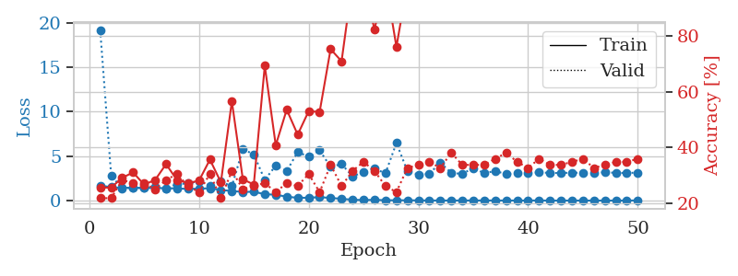
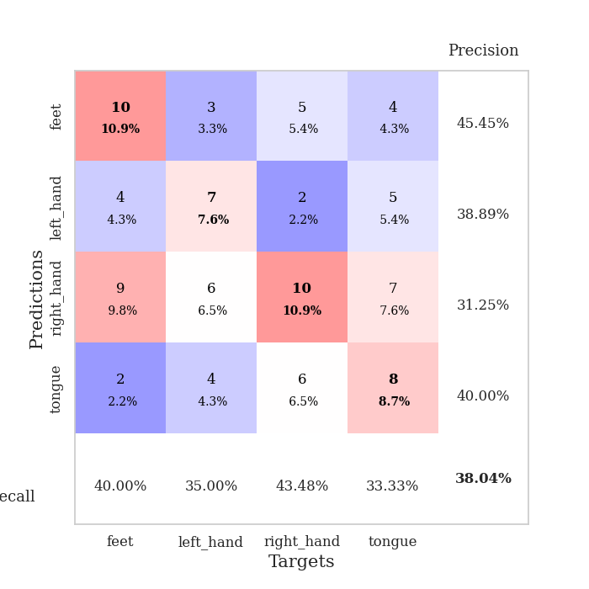
train_loss | valid_loss | train_accuracy | valid_accuracy | dur | train_misclass | valid_misclass
1.682042464 | 19.137765636 | 0.25543478261 | 0.21739130435 | 1.1512103081 | 25.543478261 | 21.739130435
1.5148156467 | 2.7982688676 | 0.25543478261 | 0.21739130435 | 1.1474633217 | 25.543478261 | 21.739130435
1.4289846317 | 1.3912153607 | 0.29076086957 | 0.28260869565 | 1.1487767696 | 29.076086957 | 28.260869565
1.4663587135 | 1.415458617 | 0.3097826087 | 0.27173913043 | 1.148147583 | 30.97826087 | 27.173913043
1.4121651079 | 1.4172736821 | 0.26630434783 | 0.27173913043 | 1.1486678123 | 26.630434783 | 27.173913043
1.4241063595 | 1.5773070325 | 0.28260869565 | 0.25 | 1.1484830379 | 28.260869565 | 25
1.3961088761 | 1.3766152962 | 0.33967391304 | 0.28260869565 | 1.1479830742 | 33.967391304 | 28.260869565
1.3704684299 | 1.8742627838 | 0.28260869565 | 0.30434782609 | 1.1481266022 | 28.260869565 | 30.434782609
1.3131880553 | 1.9208864544 | 0.27173913043 | 0.26086956522 | 1.1478455067 | 27.173913043 | 26.086956522
1.3434538271 | 2.2008109611 | 0.27989130435 | 0.23913043478 | 1.1492097378 | 27.989130435 | 23.913043478
1.3881428294 | 1.6873979465 | 0.35597826087 | 0.30434782609 | 1.1491560936 | 35.597826087 | 30.434782609
1.1912805956 | 2.1396752233 | 0.27445652174 | 0.21739130435 | 1.1493012905 | 27.445652174 | 21.739130435
1.0854267737 | 1.6087779377 | 0.5652173913 | 0.3152173913 | 1.1494443417 | 56.52173913 | 31.52173913
0.96432450284 | 5.7771994342 | 0.28532608696 | 0.25 | 1.1514799595 | 28.532608696 | 25
1.0001546248 | 5.2095310792 | 0.26630434783 | 0.26086956522 | 1.149020195 | 26.630434783 | 26.086956522
0.71366974582 | 2.3173120125 | 0.69293478261 | 0.27173913043 | 1.1502091885 | 69.293478261 | 27.173913043
0.66313936529 | 3.9467931105 | 0.40760869565 | 0.23913043478 | 1.1488769054 | 40.760869565 | 23.913043478
0.43504279204 | 3.326355478 | 0.53532608696 | 0.27173913043 | 1.1498200893 | 53.532608696 | 27.173913043
0.31478109729 | 5.469964753 | 0.44565217391 | 0.26086956522 | 1.1492216587 | 44.565217391 | 26.086956522
0.32168407058 | 4.9395888992 | 0.52989130435 | 0.30434782609 | 1.1500823498 | 52.989130435 | 30.434782609
0.38568139562 | 5.6550149296 | 0.52717391304 | 0.23913043478 | 1.1496458054 | 52.717391304 | 23.913043478
0.29849387592 | 3.7919167539 | 0.7527173913 | 0.33695652174 | 1.1507184505 | 75.27173913 | 33.695652174
0.19943431085 | 4.1100595101 | 0.70923913043 | 0.26086956522 | 1.1496732235 | 70.923913043 | 26.086956522
0.09646198935 | 2.7295341906 | 0.9972826087 | 0.3152173913 | 1.1485965252 | 99.72826087 | 31.52173913
0.055802111392 | 3.2098933406 | 0.9972826087 | 0.34782608696 | 1.1499271393 | 99.72826087 | 34.782608696
0.088024544651 | 3.6055821854 | 0.82336956522 | 0.3152173913 | 1.1511483192 | 82.336956522 | 31.52173913
0.037503120854 | 3.0668378706 | 1 | 0.26086956522 | 1.1491708755 | 100 | 26.086956522
0.037176231246 | 6.4819407048 | 0.76086956522 | 0.23913043478 | 1.1498484612 | 76.086956522 | 23.913043478
0.030553600933 | 3.3194573859 | 0.98913043478 | 0.32608695652 | 1.149210453 | 98.913043478 | 32.608695652
0.024030382279 | 2.925644942 | 1 | 0.33695652174 | 1.1494858265 | 100 | 33.695652174
0.0081794106796 | 3.0133031296 | 1 | 0.34782608696 | 1.1496469975 | 100 | 34.782608696
0.013617535451 | 4.2768131443 | 0.98641304348 | 0.32608695652 | 1.1507031918 | 98.641304348 | 32.608695652
0.0066668765781 | 3.1185826581 | 1 | 0.38043478261 | 1.1524472237 | 100 | 38.043478261
0.012716763223 | 3.0021748906 | 1 | 0.33695652174 | 1.1524910927 | 100 | 33.695652174
0.012764315084 | 3.6741661663 | 1 | 0.33695652174 | 1.1508977413 | 100 | 33.695652174
0.012516874184 | 3.0813542397 | 1 | 0.33695652174 | 1.1518771648 | 100 | 33.695652174
0.01216506361 | 3.3274435531 | 1 | 0.35869565217 | 1.1511673927 | 100 | 35.869565217
0.0079405504803 | 2.9896059244 | 1 | 0.38043478261 | 1.1525681019 | 100 | 38.043478261
0.005650673626 | 3.0710267554 | 1 | 0.34782608696 | 1.1506528854 | 100 | 34.782608696
0.0076150566279 | 3.1189477962 | 1 | 0.32608695652 | 1.1516873837 | 100 | 32.608695652
0.013550735086 | 3.1743000538 | 1 | 0.35869565217 | 1.1515848637 | 100 | 35.869565217
0.0014903762228 | 3.112344747 | 1 | 0.33695652174 | 1.1522591114 | 100 | 33.695652174
0.0025636745976 | 3.1034062168 | 1 | 0.33695652174 | 1.1514635086 | 100 | 33.695652174
0.003839023615 | 3.143199138 | 1 | 0.34782608696 | 1.1525139809 | 100 | 34.782608696
0.0062833709918 | 3.1176234587 | 1 | 0.35869565217 | 1.1511106491 | 100 | 35.869565217
0.0032183162693 | 3.1332206052 | 1 | 0.32608695652 | 1.1512522697 | 100 | 32.608695652
0.0048277541393 | 3.1767108078 | 1 | 0.33695652174 | 1.1512475014 | 100 | 33.695652174
0.0032281227449 | 3.1288265767 | 1 | 0.34782608696 | 1.1513700485 | 100 | 34.782608696
0.004650661291 | 3.1061896189 | 1 | 0.34782608696 | 1.1510043144 | 100 | 34.782608696
0.015435935081 | 3.1470391595 | 1 | 0.35869565217 | 1.1511468887 | 100 | 35.869565217

Best Val accuracy is 0.3804347826086957 and Best test accuracy is 0.31896551724137934

Sheet9
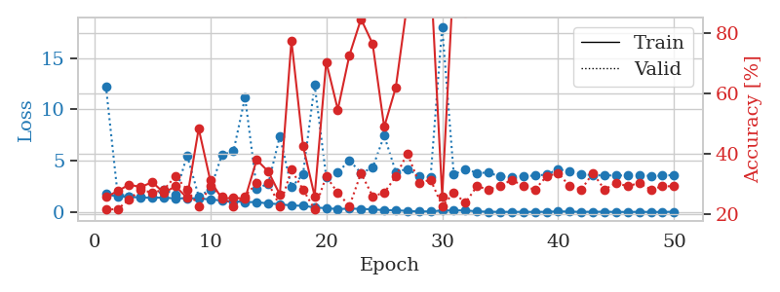
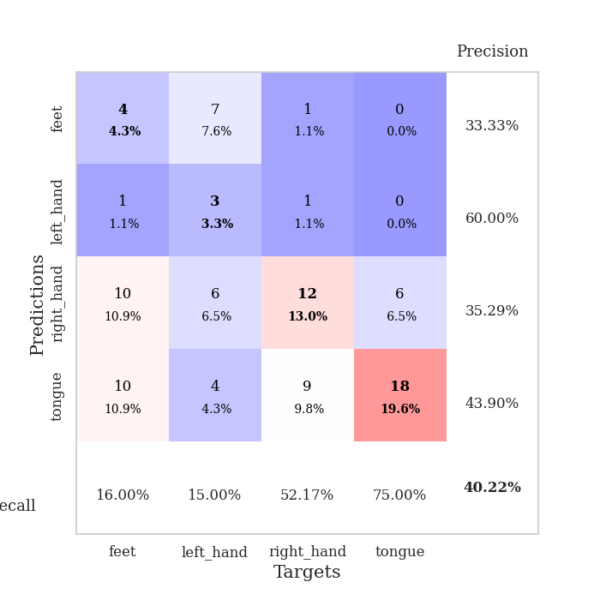
train_loss | valid_loss | train_accuracy | valid_accuracy | dur | train_misclass | valid_misclass
1.7549531771 | 12.274830984 | 0.25815217391 | 0.21739130435 | 1.1535818577 | 25.815217391 | 21.739130435
1.4939233324 | 1.8248121998 | 0.27717391304 | 0.21739130435 | 1.1478662491 | 27.717391304 | 21.739130435
1.4957678525 | 1.462621834 | 0.29891304348 | 0.25 | 1.1488399506 | 29.891304348 | 25
1.4040638157 | 1.5167601834 | 0.29076086957 | 0.28260869565 | 1.1489434242 | 29.076086957 | 28.260869565
1.3855402521 | 1.4861081165 | 0.30706521739 | 0.27173913043 | 1.1483812332 | 30.706521739 | 27.173913043
1.4079458765 | 2.166697922 | 0.27173913043 | 0.28260869565 | 1.149425745 | 27.173913043 | 28.260869565
1.3185022396 | 1.7244221024 | 0.29347826087 | 0.32608695652 | 1.1493144035 | 29.347826087 | 32.608695652
1.3524538849 | 5.5127732857 | 0.25543478261 | 0.28260869565 | 1.1503567696 | 25.543478261 | 28.260869565
1.3171343389 | 1.5465463296 | 0.48369565217 | 0.22826086957 | 1.1493241787 | 48.369565217 | 22.826086957
1.2330916446 | 2.1703581344 | 0.3125 | 0.29347826087 | 1.149430275 | 31.25 | 29.347826087
1.1113976758 | 5.5703838597 | 0.2527173913 | 0.26086956522 | 1.1481232643 | 25.27173913 | 26.086956522
1.0408722421 | 5.9191307192 | 0.25543478261 | 0.22826086957 | 1.1492190361 | 25.543478261 | 22.826086957
0.97654554637 | 11.192727835 | 0.2527173913 | 0.26086956522 | 1.1484463215 | 25.27173913 | 26.086956522
0.96072735475 | 2.306194803 | 0.38043478261 | 0.30434782609 | 1.1482434273 | 38.043478261 | 30.434782609
0.83736619483 | 2.7445909407 | 0.34239130435 | 0.30434782609 | 1.1492631435 | 34.239130435 | 30.434782609
0.76020245578 | 7.3975401754 | 0.26630434783 | 0.22826086957 | 1.1495332718 | 26.630434783 | 22.826086957
0.63391094104 | 2.4220667974 | 0.77445652174 | 0.34782608696 | 1.1483244896 | 77.445652174 | 34.782608696
0.60910500262 | 3.6782228117 | 0.42663043478 | 0.28260869565 | 1.1498911381 | 42.663043478 | 28.260869565
0.44880900629 | 12.422316924 | 0.26086956522 | 0.21739130435 | 1.1490643024 | 26.086956522 | 21.739130435
0.36868099091 | 3.4089015359 | 0.70380434783 | 0.32608695652 | 1.1503887177 | 70.380434783 | 32.608695652
0.28742355497 | 3.8584434571 | 0.54619565217 | 0.27173913043 | 1.1493444443 | 54.619565217 | 27.173913043
0.33060113762 | 5.0362758533 | 0.72554347826 | 0.22826086957 | 1.1503639221 | 72.554347826 | 22.826086957
0.30449550858 | 3.8038167539 | 0.84510869565 | 0.33695652174 | 1.1500487328 | 84.510869565 | 33.695652174
0.25662447804 | 4.3113795156 | 0.76358695652 | 0.26086956522 | 1.1506569386 | 76.358695652 | 26.086956522
0.1772702806 | 7.4508665541 | 0.48913043478 | 0.27173913043 | 1.150531292 | 48.913043478 | 27.173913043
0.17892898109 | 3.9033555674 | 0.61956521739 | 0.32608695652 | 1.1496067047 | 61.956521739 | 32.608695652
0.096053592213 | 4.1973036787 | 0.89945652174 | 0.40217391304 | 1.151263237 | 89.945652174 | 40.217391304
0.055952224152 | 3.5397142431 | 1 | 0.30434782609 | 1.1505637169 | 100 | 30.434782609
0.061900933496 | 3.4058168453 | 1 | 0.3152173913 | 1.1496400833 | 100 | 31.52173913
0.14421230623 | 18.066300102 | 0.26086956522 | 0.22826086957 | 1.1502692699 | 26.086956522 | 22.826086957
0.15466677414 | 3.6475274563 | 1 | 0.27173913043 | 1.1500859261 | 100 | 27.173913043
0.15889194312 | 4.1813085908 | 0.86684782609 | 0.23913043478 | 1.1501841545 | 86.684782609 | 23.913043478
0.059359339532 | 3.817937115 | 1 | 0.29347826087 | 1.1494851112 | 100 | 29.347826087
0.027833848483 | 3.8365385325 | 1 | 0.28260869565 | 1.150883913 | 100 | 28.260869565
0.016009098182 | 3.4602981754 | 1 | 0.29347826087 | 1.1498465538 | 100 | 29.347826087
0.014603926567 | 3.4282502817 | 1 | 0.3152173913 | 1.1496214867 | 100 | 31.52173913
0.016581307332 | 3.4995974043 | 1 | 0.29347826087 | 1.1495957375 | 100 | 29.347826087
0.013720991647 | 3.5561891535 | 1 | 0.28260869565 | 1.1496708393 | 100 | 28.260869565
0.01793226873 | 3.6451703776 | 1 | 0.32608695652 | 1.1503069401 | 100 | 32.608695652
0.065109144663 | 4.1717307568 | 0.98641304348 | 0.33695652174 | 1.1500356197 | 98.641304348 | 33.695652174
0.039708903566 | 3.9760410786 | 0.9972826087 | 0.29347826087 | 1.1553595066 | 99.72826087 | 29.347826087
0.013763533439 | 3.7085361792 | 1 | 0.28260869565 | 1.15041399 | 100 | 28.260869565
0.024592350126 | 3.5840445912 | 1 | 0.33695652174 | 1.1511831284 | 100 | 33.695652174
0.027535269067 | 3.5682528019 | 1 | 0.28260869565 | 1.1522305012 | 100 | 28.260869565
0.0090782166479 | 3.5669052186 | 1 | 0.30434782609 | 1.1526095867 | 100 | 30.434782609
0.0079081991951 | 3.5631072832 | 1 | 0.29347826087 | 1.1506972313 | 100 | 29.347826087
0.017432976089 | 3.5641990019 | 1 | 0.30434782609 | 1.1507754326 | 100 | 30.434782609
0.0066240816225 | 3.5275271664 | 1 | 0.28260869565 | 1.1507461071 | 100 | 28.260869565
0.0078781788926 | 3.5450609249 | 1 | 0.29347826087 | 1.1514985561 | 100 | 29.347826087
0.02635074381 | 3.6022967152 | 1 | 0.29347826087 | 1.1511106491 | 100 | 29.347826087

Best Val accuracy is 0.40217391304347827 and Best test accuracy is 0.2672413793103448

Sheet10
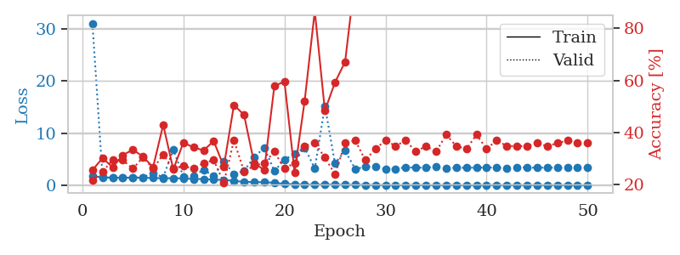
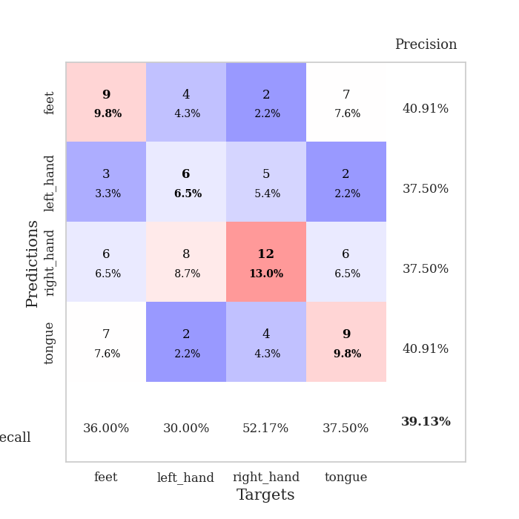
train_loss | valid_loss | train_accuracy | valid_accuracy | dur | train_misclass | valid_misclass
1.7414673204 | 31.063471836 | 0.25543478261 | 0.21739130435 | 1.1527144909 | 25.543478261 | 21.739130435
1.4496687703 | 1.6154408403 | 0.30163043478 | 0.25 | 1.1480300426 | 30.163043478 | 25
1.4364037047 | 1.3853199793 | 0.26630434783 | 0.29347826087 | 1.1482944489 | 26.630434783 | 29.347826087
1.3974029759 | 1.454008854 | 0.3125 | 0.29347826087 | 1.1477723122 | 31.25 | 29.347826087
1.410180294 | 1.4433168173 | 0.33423913043 | 0.26086956522 | 1.1485960484 | 33.423913043 | 26.086956522
1.4114638619 | 1.5076068951 | 0.30706521739 | 0.30434782609 | 1.1486024857 | 30.706521739 | 30.434782609
1.3596493265 | 2.3039054041 | 0.26630434783 | 0.26086956522 | 1.1510434151 | 26.630434783 | 26.086956522
1.3204135687 | 1.4917630372 | 0.42934782609 | 0.3152173913 | 1.1485700607 | 42.934782609 | 31.52173913
1.3222509389 | 6.7819728229 | 0.25815217391 | 0.26086956522 | 1.1526300907 | 25.815217391 | 26.086956522
1.2829435908 | 1.6535124157 | 0.36141304348 | 0.27173913043 | 1.1485660076 | 36.141304348 | 27.173913043
1.1828766724 | 1.7626034799 | 0.34239130435 | 0.26086956522 | 1.1495635509 | 34.239130435 | 26.086956522
1.1659591975 | 2.9314281111 | 0.33152173913 | 0.28260869565 | 1.1494808197 | 33.152173913 | 28.260869565
1.0266887027 | 1.7414499314 | 0.36684782609 | 0.29347826087 | 1.1494576931 | 36.684782609 | 29.347826087
1.003513712 | 4.5284163641 | 0.26902173913 | 0.20652173913 | 1.1491396427 | 26.902173913 | 20.652173913
0.80047558702 | 2.1489775855 | 0.50543478261 | 0.36956521739 | 1.1497108936 | 50.543478261 | 36.956521739
0.62120935321 | 2.7201416907 | 0.46739130435 | 0.25 | 1.1511809826 | 46.739130435 | 25
0.57119005595 | 5.3976344855 | 0.28260869565 | 0.27173913043 | 1.1499042511 | 28.260869565 | 27.173913043
0.56172983024 | 7.1723514432 | 0.25543478261 | 0.28260869565 | 1.1501455307 | 25.543478261 | 28.260869565
0.4490935336 | 2.7119822813 | 0.57880434783 | 0.32608695652 | 1.149627924 | 57.880434783 | 32.608695652
0.22397847879 | 4.8797309606 | 0.59510869565 | 0.26086956522 | 1.1503584385 | 59.510869565 | 26.086956522
0.16373598916 | 6.0037205945 | 0.2472826087 | 0.28260869565 | 1.1497142315 | 24.72826087 | 28.260869565
0.10642032576 | 7.2094796222 | 0.52173913043 | 0.34782608696 | 1.1505868435 | 52.173913043 | 34.782608696
0.09531519888 | 3.1693144674 | 0.86684782609 | 0.35869565217 | 1.1500425339 | 86.684782609 | 35.869565217
0.1126263994 | 15.195055962 | 0.48369565217 | 0.30434782609 | 1.1496117115 | 48.369565217 | 30.434782609
0.10473153862 | 4.1341764823 | 0.59239130435 | 0.23913043478 | 1.1496863365 | 59.239130435 | 23.913043478
0.059730412904 | 6.6223254204 | 0.67119565217 | 0.35869565217 | 1.1496443748 | 67.119565217 | 35.869565217
0.066921858198 | 3.0873305798 | 1 | 0.36956521739 | 1.1506357193 | 100 | 36.956521739
0.036413174264 | 3.5075751802 | 0.98913043478 | 0.29347826087 | 1.1498067379 | 98.913043478 | 29.347826087
0.022462245254 | 3.5149580914 | 1 | 0.33695652174 | 1.1505906582 | 100 | 33.695652174
0.005720801735 | 3.0995991852 | 1 | 0.36956521739 | 1.1504898071 | 100 | 36.956521739
0.003231911305 | 3.1178811944 | 1 | 0.34782608696 | 1.1510622501 | 100 | 34.782608696
0.0070739483926 | 3.4215500873 | 1 | 0.36956521739 | 1.1510694027 | 100 | 36.956521739
0.0047815604788 | 3.3445294111 | 1 | 0.32608695652 | 1.1506118774 | 100 | 32.608695652
0.0032583018208 | 3.3584329667 | 1 | 0.34782608696 | 1.1498231888 | 100 | 34.782608696
0.0034120879623 | 3.4833537807 | 1 | 0.32608695652 | 1.1503038406 | 100 | 32.608695652
0.0098793453312 | 3.2845723111 | 1 | 0.39130434783 | 1.1499736309 | 100 | 39.130434783
0.0094654933251 | 3.3158781528 | 1 | 0.34782608696 | 1.1500284672 | 100 | 34.782608696
0.0014205547113 | 3.3394334627 | 1 | 0.33695652174 | 1.1503205299 | 100 | 33.695652174
0.0057540300496 | 3.3548957576 | 1 | 0.39130434783 | 1.1511292458 | 100 | 39.130434783
0.0069061418705 | 3.392478238 | 1 | 0.33695652174 | 1.1511697769 | 100 | 33.695652174
0.010532541742 | 3.3501873535 | 1 | 0.36956521739 | 1.1518552303 | 100 | 36.956521739
0.0085808200466 | 3.2469699383 | 1 | 0.34782608696 | 1.1512186527 | 100 | 34.782608696
0.0039420772303 | 3.3954813273 | 1 | 0.34782608696 | 1.1521692276 | 100 | 34.782608696
0.0028651009476 | 3.3733056836 | 1 | 0.34782608696 | 1.1513054371 | 100 | 34.782608696
0.0045934703509 | 3.3350754717 | 1 | 0.35869565217 | 1.1541805267 | 100 | 35.869565217
0.0024920105238 | 3.3566870482 | 1 | 0.34782608696 | 1.1531424522 | 100 | 34.782608696
0.0030149488562 | 3.346109297 | 1 | 0.35869565217 | 1.1517736912 | 100 | 35.869565217
0.0086587602576 | 3.3739990151 | 1 | 0.36956521739 | 1.1521351337 | 100 | 36.956521739
0.0021939365973 | 3.373001306 | 1 | 0.35869565217 | 1.15184021 | 100 | 35.869565217
0.0015448541994 | 3.341311092 | 1 | 0.35869565217 | 1.1525201797 | 100 | 35.869565217

Best Val accuracy is 0.391304347826087 and Best test accuracy is 0.3879310344827586

