Sheet
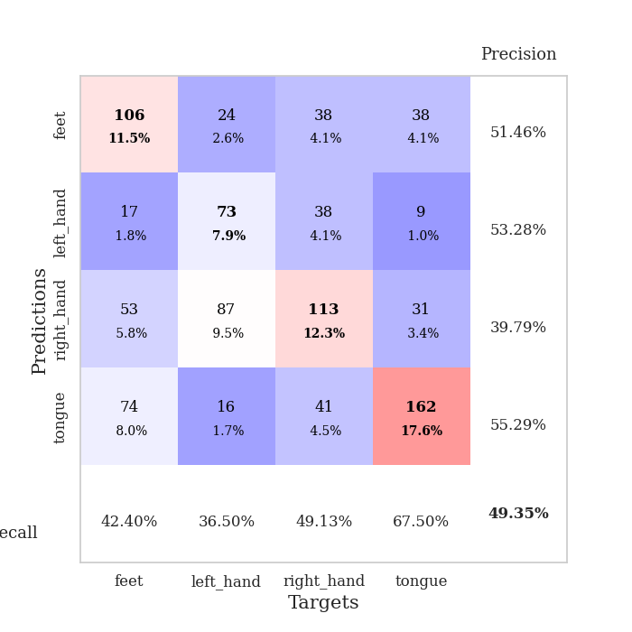
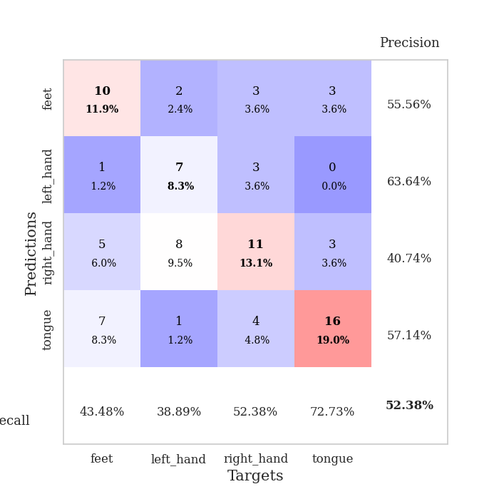
best_val_acc | best_val_los | best_test_acc
0.55434782609 | 1.362774906 | 0.36206896552
0.46739130435 | 1.378148592 | 0.31034482759
0.38043478261 | 1.3660307967 | 0.35344827586
0.5 | 1.4139400306 | 0.40517241379
0.53260869565 | 1.3912202223 | 0.39655172414
0.53260869565 | 1.2944697038 | 0.43965517241
0.52173913043 | 1.3979564802 | 0.27586206897
0.51086956522 | 1.378335025 | 0.41379310345
0.4347826087 | 1.4737794347 | 0.37068965517
0.5 | 1.3671078734 | 0.35344827586

Mean,std Val accuracy is 0.49347826086956526 , 0.052554969172373185 and mean, std test accuracy is 0.36810344827586206 , 0.04911187720931522

Sheet1
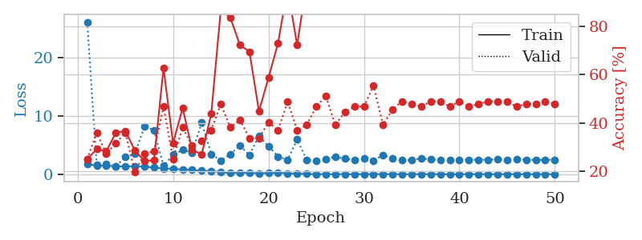
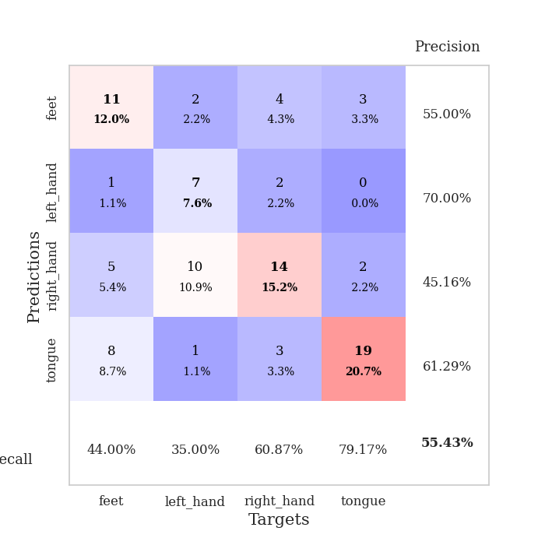
train_loss | valid_loss | train_accuracy | valid_accuracy | dur | train_misclass | valid_misclass
1.7429544304 | 26.146043238 | 0.25 | 0.25 | 1.149307251 | 25 | 25
1.455190415 | 1.558801651 | 0.29076086957 | 0.35869565217 | 1.1489639282 | 29.076086957 | 35.869565217
1.4485986544 | 1.7807541671 | 0.28260869565 | 0.27173913043 | 1.1487169266 | 28.260869565 | 27.173913043
1.375198696 | 1.362774906 | 0.35869565217 | 0.3152173913 | 1.1498913765 | 35.869565217 | 31.52173913
1.3128067359 | 2.9550708584 | 0.36684782609 | 0.35869565217 | 1.149951458 | 36.684782609 | 35.869565217
1.382469299 | 3.5642182153 | 0.28532608696 | 0.19565217391 | 1.1492443085 | 28.532608696 | 19.565217391
1.2778477125 | 8.1969408367 | 0.24184782609 | 0.27173913043 | 1.1498475075 | 24.184782609 | 27.173913043
1.1407662993 | 7.5756858743 | 0.24456521739 | 0.28260869565 | 1.1493880749 | 24.456521739 | 28.260869565
0.97940938628 | 1.4324751885 | 0.6277173913 | 0.46739130435 | 1.1497979164 | 62.77173913 | 46.739130435
0.95083721824 | 3.3463864275 | 0.3152173913 | 0.25 | 1.1512198448 | 31.52173913 | 25
0.79204375588 | 4.1632044004 | 0.46195652174 | 0.38043478261 | 1.1488444805 | 46.195652174 | 38.043478261
0.75233326788 | 3.727163574 | 0.28804347826 | 0.30434782609 | 1.150560379 | 28.804347826 | 30.434782609
0.58456109399 | 8.8537684316 | 0.26902173913 | 0.32608695652 | 1.1503872871 | 26.902173913 | 32.608695652
0.55686587225 | 3.4685944578 | 0.4375 | 0.36956521739 | 1.1505100727 | 43.75 | 36.956521739
0.34338382308 | 2.3357005223 | 0.86956521739 | 0.47826086957 | 1.1501917839 | 86.956521739 | 47.826086957
0.21026361296 | 3.4612545241 | 0.83695652174 | 0.38043478261 | 1.1501636505 | 83.695652174 | 38.043478261
0.25051371486 | 4.8788028178 | 0.72282608696 | 0.41304347826 | 1.1495666504 | 72.282608696 | 41.304347826
0.21898104226 | 3.3138922297 | 0.69565217391 | 0.33695652174 | 1.1513593197 | 69.565217391 | 33.695652174
0.15441014213 | 6.5886415813 | 0.44836956522 | 0.33695652174 | 1.1506493092 | 44.836956522 | 33.695652174
0.207199508 | 4.7883949072 | 0.58695652174 | 0.40217391304 | 1.1505427361 | 58.695652174 | 40.217391304
0.2590116277 | 3.0512858059 | 0.73097826087 | 0.36956521739 | 1.1511666775 | 73.097826087 | 36.956521739
0.14800693856 | 2.463736275 | 0.95923913043 | 0.48913043478 | 1.1506299973 | 95.923913043 | 48.913043478
0.094080059242 | 5.9476494789 | 0.72282608696 | 0.36956521739 | 1.1514041424 | 72.282608696 | 36.956521739
0.044559545511 | 2.5019092249 | 0.98369565217 | 0.39130434783 | 1.150280714 | 98.369565217 | 39.130434783
0.025800079431 | 2.3261087977 | 1 | 0.46739130435 | 1.1512215137 | 100 | 46.739130435
0.012095555243 | 2.5768534101 | 1 | 0.51086956522 | 1.1511478424 | 100 | 51.086956522
0.014040711194 | 2.9795962417 | 0.98913043478 | 0.39130434783 | 1.1514391899 | 98.913043478 | 39.130434783
0.0060208950991 | 2.6575125404 | 1 | 0.44565217391 | 1.1510469913 | 100 | 44.565217391
0.006210161082 | 2.4020979715 | 1 | 0.46739130435 | 1.1506268978 | 100 | 46.739130435
0.0054095227211 | 2.7475792325 | 1 | 0.46739130435 | 1.1503763199 | 100 | 46.739130435
0.012870959376 | 2.3491400532 | 1 | 0.55434782609 | 1.1514849663 | 100 | 55.434782609
0.021925238113 | 3.3041309377 | 1 | 0.39130434783 | 1.1509830952 | 100 | 39.130434783
0.0073084499328 | 2.7264512 | 1 | 0.45652173913 | 1.1499023438 | 100 | 45.652173913
0.0045306625037 | 2.4132930196 | 1 | 0.48913043478 | 1.1509635448 | 100 | 48.913043478
0.0028888356275 | 2.4460267088 | 1 | 0.47826086957 | 1.1504812241 | 100 | 47.826086957
0.011032513026 | 2.7345447229 | 1 | 0.46739130435 | 1.1522803307 | 100 | 46.739130435
0.0024780697447 | 2.5271040668 | 1 | 0.48913043478 | 1.1515500546 | 100 | 48.913043478
0.0057556480346 | 2.4355027261 | 1 | 0.48913043478 | 1.1516430378 | 100 | 48.913043478
0.0039989380242 | 2.4480786013 | 1 | 0.46739130435 | 1.1522479057 | 100 | 46.739130435
0.0068803031261 | 2.49235459 | 1 | 0.48913043478 | 1.1519629955 | 100 | 48.913043478
0.0023236275124 | 2.4702991714 | 1 | 0.46739130435 | 1.1518447399 | 100 | 46.739130435
0.0040418155145 | 2.4815229022 | 1 | 0.47826086957 | 1.1516487598 | 100 | 47.826086957
0.0078532929841 | 2.504693135 | 1 | 0.48913043478 | 1.1518580914 | 100 | 48.913043478
0.0039309111333 | 2.5374695736 | 1 | 0.48913043478 | 1.1520090103 | 100 | 48.913043478
0.0023858020684 | 2.5058293654 | 1 | 0.48913043478 | 1.1523792744 | 100 | 48.913043478
0.0041398392236 | 2.566895599 | 1 | 0.46739130435 | 1.1523225307 | 100 | 46.739130435
0.0018697991264 | 2.5072143492 | 1 | 0.47826086957 | 1.1531505585 | 100 | 47.826086957
0.0032623425751 | 2.4500967212 | 1 | 0.47826086957 | 1.1526596546 | 100 | 47.826086957
0.002229435425 | 2.4648875672 | 1 | 0.48913043478 | 1.1519935131 | 100 | 48.913043478
0.0082913246449 | 2.4981250348 | 1 | 0.47826086957 | 1.1521632671 | 100 | 47.826086957

Best Val accuracy is 0.5543478260869565 and Best test accuracy is 0.3620689655172414

Sheet2
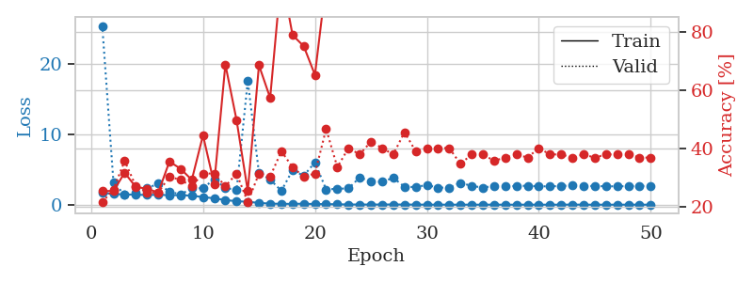
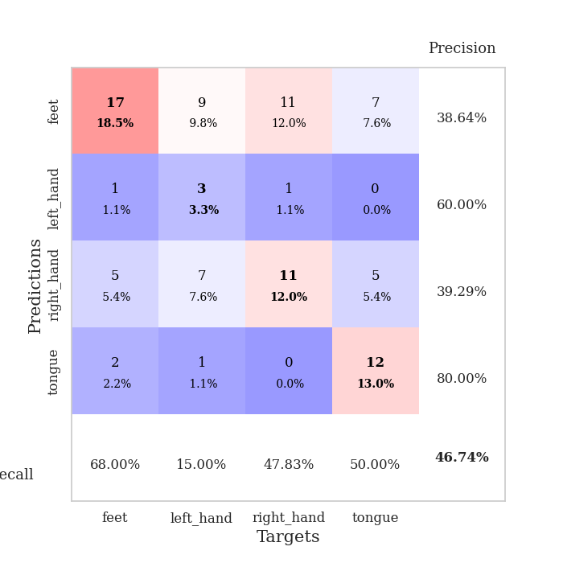
train_loss | valid_loss | train_accuracy | valid_accuracy | dur | train_misclass | valid_misclass
1.6913139872 | 25.342092099 | 0.25543478261 | 0.21739130435 | 1.1528227329 | 25.543478261 | 21.739130435
1.5224339185 | 3.1853646817 | 0.25543478261 | 0.26086956522 | 1.147616148 | 25.543478261 | 26.086956522
1.4629091957 | 1.378148592 | 0.31793478261 | 0.35869565217 | 1.1476204395 | 31.793478261 | 35.869565217
1.408646936 | 1.6607278274 | 0.26902173913 | 0.27173913043 | 1.1492826939 | 26.902173913 | 27.173913043
1.3783251721 | 2.3052707807 | 0.26358695652 | 0.25 | 1.1491918564 | 26.358695652 | 25
1.40263007 | 2.997998901 | 0.25 | 0.25 | 1.1498219967 | 25 | 25
1.3501446714 | 1.8342286193 | 0.35597826087 | 0.30434782609 | 1.1510705948 | 35.597826087 | 30.434782609
1.3510264858 | 1.4642400482 | 0.33152173913 | 0.29347826087 | 1.1504075527 | 33.152173913 | 29.347826087
1.2785082693 | 2.2996452062 | 0.29347826087 | 0.27173913043 | 1.150503397 | 29.347826087 | 27.173913043
1.0844059872 | 2.3418666798 | 0.44565217391 | 0.3152173913 | 1.1495602131 | 44.565217391 | 31.52173913
0.89892655352 | 3.600351997 | 0.27989130435 | 0.3152173913 | 1.1501116753 | 27.989130435 | 31.52173913
0.65438005328 | 2.3943281692 | 0.6875 | 0.27173913043 | 1.1498587132 | 68.75 | 27.173913043
0.49454327122 | 2.0646735533 | 0.4972826087 | 0.3152173913 | 1.1506915092 | 49.72826087 | 31.52173913
0.41286531998 | 17.550051814 | 0.25543478261 | 0.21739130435 | 1.1504187584 | 25.543478261 | 21.739130435
0.25122967532 | 4.479755951 | 0.6847826087 | 0.3152173913 | 1.1507349014 | 68.47826087 | 31.52173913
0.15383277769 | 3.5662813394 | 0.57336956522 | 0.30434782609 | 1.1502256393 | 57.336956522 | 30.434782609
0.11878853303 | 1.9649666548 | 0.99456521739 | 0.39130434783 | 1.1507921219 | 99.456521739 | 39.130434783
0.11828865734 | 4.8820345091 | 0.78804347826 | 0.33695652174 | 1.1520597935 | 78.804347826 | 33.695652174
0.13749009816 | 4.1096563132 | 0.75 | 0.30434782609 | 1.1504833698 | 75 | 30.434782609
0.091659584164 | 5.9907690338 | 0.65217391304 | 0.3152173913 | 1.1516366005 | 65.217391304 | 31.52173913
0.083978353271 | 2.1594581189 | 0.97010869565 | 0.46739130435 | 1.1509544849 | 97.010869565 | 46.739130435
0.053679176424 | 2.263388499 | 0.96739130435 | 0.33695652174 | 1.1522421837 | 96.739130435 | 33.695652174
0.030980898341 | 2.2990464335 | 0.99456521739 | 0.40217391304 | 1.1502890587 | 99.456521739 | 40.217391304
0.0229819366 | 3.8678561812 | 0.97282608696 | 0.38043478261 | 1.1512899399 | 97.282608696 | 38.043478261
0.023349580889 | 3.2760302088 | 0.95652173913 | 0.42391304348 | 1.1504161358 | 95.652173913 | 42.391304348
0.024646151953 | 3.2398933017 | 0.99184782609 | 0.40217391304 | 1.1512775421 | 99.184782609 | 40.217391304
0.030734635677 | 3.8044456606 | 0.97826086957 | 0.38043478261 | 1.1506724358 | 97.826086957 | 38.043478261
0.022519847333 | 2.5391560223 | 0.99184782609 | 0.45652173913 | 1.1513981819 | 99.184782609 | 45.652173913
0.014751031015 | 2.4948708389 | 1 | 0.39130434783 | 1.1508731842 | 100 | 39.130434783
0.0082991960808 | 2.7860492623 | 1 | 0.40217391304 | 1.1515822411 | 100 | 40.217391304
0.00639247747 | 2.4079401908 | 1 | 0.40217391304 | 1.1520159245 | 100 | 40.217391304
0.0047367827881 | 2.426950548 | 1 | 0.40217391304 | 1.1517152786 | 100 | 40.217391304
0.0054567017556 | 3.0880623693 | 1 | 0.34782608696 | 1.151047945 | 100 | 34.782608696
0.0033096502941 | 2.6669179979 | 1 | 0.38043478261 | 1.1520233154 | 100 | 38.043478261
0.0035802446256 | 2.4188195001 | 1 | 0.38043478261 | 1.1515674591 | 100 | 38.043478261
0.0087014145411 | 2.6506301631 | 1 | 0.35869565217 | 1.1528334618 | 100 | 35.869565217
0.001289558161 | 2.5885853871 | 1 | 0.36956521739 | 1.1515386105 | 100 | 36.956521739
0.0017593263145 | 2.6494913827 | 1 | 0.38043478261 | 1.152837038 | 100 | 38.043478261
0.0052222091915 | 2.6790407533 | 1 | 0.36956521739 | 1.1520204544 | 100 | 36.956521739
0.0015609976779 | 2.5998058008 | 1 | 0.40217391304 | 1.1519458294 | 100 | 40.217391304
0.0017969975787 | 2.5961303607 | 1 | 0.38043478261 | 1.152351141 | 100 | 38.043478261
0.0014290526084 | 2.6528282891 | 1 | 0.38043478261 | 1.1525580883 | 100 | 38.043478261
0.016914108714 | 2.711099324 | 1 | 0.36956521739 | 1.1523411274 | 100 | 36.956521739
0.0028063372479 | 2.6708693504 | 1 | 0.38043478261 | 1.1526360512 | 100 | 38.043478261
0.0019016170719 | 2.6321869622 | 1 | 0.36956521739 | 1.1518204212 | 100 | 36.956521739
0.0036220355826 | 2.6143186507 | 1 | 0.38043478261 | 1.1531786919 | 100 | 38.043478261
0.0011118685639 | 2.5967702244 | 1 | 0.38043478261 | 1.1525361538 | 100 | 38.043478261
0.0067394260967 | 2.6299854258 | 1 | 0.38043478261 | 1.1521818638 | 100 | 38.043478261
0.0014447399761 | 2.6406787064 | 1 | 0.36956521739 | 1.1528167725 | 100 | 36.956521739
0.0047485357664 | 2.6824622362 | 1 | 0.36956521739 | 1.1527197361 | 100 | 36.956521739

Best Val accuracy is 0.4673913043478261 and Best test accuracy is 0.3103448275862069

Sheet3
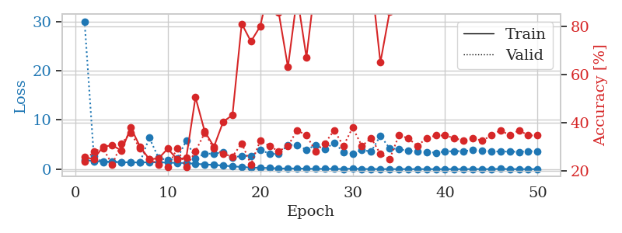
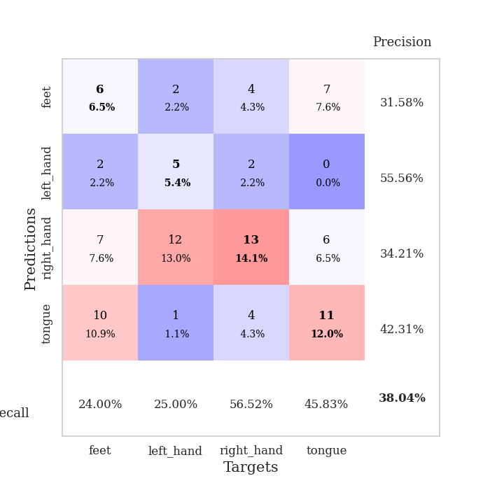
train_loss | valid_loss | train_accuracy | valid_accuracy | dur | train_misclass | valid_misclass
1.904141141 | 30.001143497 | 0.25815217391 | 0.23913043478 | 1.1548469067 | 25.815217391 | 23.913043478
1.5968332187 | 2.6849035491 | 0.25 | 0.28260869565 | 1.1503415108 | 25 | 28.260869565
1.5832482421 | 1.3826921867 | 0.30163043478 | 0.29347826087 | 1.1492028236 | 30.163043478 | 29.347826087
1.4561993195 | 1.5514909599 | 0.30706521739 | 0.22826086957 | 1.1494066715 | 30.706521739 | 22.826086957
1.4107477302 | 1.4119001109 | 0.28532608696 | 0.3152173913 | 1.1508944035 | 28.532608696 | 31.52173913
1.3707800533 | 1.3660307967 | 0.38043478261 | 0.35869565217 | 1.1498856544 | 38.043478261 | 35.869565217
1.378043636 | 1.3832633962 | 0.30163043478 | 0.29347826087 | 1.1508822441 | 30.163043478 | 29.347826087
1.39894897 | 6.3877543366 | 0.25 | 0.25 | 1.1496016979 | 25 | 25
1.3885993232 | 2.2964875283 | 0.2527173913 | 0.22826086957 | 1.1497001648 | 25.27173913 | 22.826086957
1.3177982206 | 1.819451358 | 0.29347826087 | 0.21739130435 | 1.1487464905 | 29.347826087 | 21.739130435
1.2703549136 | 2.1024879995 | 0.25 | 0.29347826087 | 1.1497309208 | 25 | 29.347826087
1.2396273509 | 5.72638493 | 0.25543478261 | 0.21739130435 | 1.1495778561 | 25.543478261 | 21.739130435
1.0781135248 | 2.2258791094 | 0.50543478261 | 0.28260869565 | 1.1500775814 | 50.543478261 | 28.260869565
0.95543129807 | 3.1292523508 | 0.36413043478 | 0.35869565217 | 1.1495993137 | 36.413043478 | 35.869565217
0.86312714867 | 3.158230284 | 0.30163043478 | 0.29347826087 | 1.1498296261 | 30.163043478 | 29.347826087
0.71634826971 | 3.4241277135 | 0.40489130435 | 0.27173913043 | 1.1495642662 | 40.489130435 | 27.173913043
0.56773941284 | 2.3115817464 | 0.43206521739 | 0.26086956522 | 1.1499483585 | 43.206521739 | 26.086956522
0.4342348161 | 2.7145976606 | 0.8097826087 | 0.3152173913 | 1.1509048939 | 80.97826087 | 31.52173913
0.32120764741 | 2.681578688 | 0.73641304348 | 0.22826086957 | 1.1501796246 | 73.641304348 | 22.826086957
0.26234200079 | 3.8904570704 | 0.79891304348 | 0.32608695652 | 1.1501269341 | 79.891304348 | 32.608695652
0.22637095489 | 3.1524445907 | 0.96739130435 | 0.30434782609 | 1.1512107849 | 96.739130435 | 30.434782609
0.13926434776 | 3.0396598007 | 0.85597826087 | 0.28260869565 | 1.1504194736 | 85.597826087 | 28.260869565
0.12549149642 | 4.9221285737 | 0.63043478261 | 0.30434782609 | 1.1505849361 | 63.043478261 | 30.434782609
0.15087799112 | 4.8708790696 | 0.92391304348 | 0.36956521739 | 1.1506381035 | 92.391304348 | 36.956521739
0.075453997266 | 3.9208443683 | 0.67119565217 | 0.34782608696 | 1.1499536037 | 67.119565217 | 34.782608696
0.069787612772 | 4.9104562635 | 0.98913043478 | 0.28260869565 | 1.149800539 | 98.913043478 | 28.260869565
0.053633786667 | 3.988980003 | 0.94836956522 | 0.3152173913 | 1.1510674953 | 94.836956522 | 31.52173913
0.055947117265 | 5.3863473353 | 0.99456521739 | 0.36956521739 | 1.1511271 | 99.456521739 | 36.956521739
0.027462580211 | 3.470510234 | 0.96467391304 | 0.30434782609 | 1.152102232 | 96.467391304 | 30.434782609
0.11983627741 | 3.1775905775 | 0.98913043478 | 0.38043478261 | 1.1521463394 | 98.913043478 | 38.043478261
0.02854321074 | 3.8761090196 | 0.9972826087 | 0.30434782609 | 1.1502513885 | 99.72826087 | 30.434782609
0.032665249487 | 3.5773236752 | 1 | 0.33695652174 | 1.1507337093 | 100 | 33.695652174
0.010588762882 | 6.7683451694 | 0.64945652174 | 0.27173913043 | 1.1510789394 | 64.945652174 | 27.173913043
0.019936184875 | 4.2396637046 | 0.85869565217 | 0.25 | 1.1505966187 | 85.869565217 | 25
0.0075072153147 | 4.0571376137 | 1 | 0.34782608696 | 1.1516075134 | 100 | 34.782608696
0.016992482357 | 3.718496333 | 1 | 0.33695652174 | 1.1511266232 | 100 | 33.695652174
0.0072893841678 | 3.638552531 | 1 | 0.30434782609 | 1.1518280506 | 100 | 30.434782609
0.0068786559201 | 3.4903379212 | 1 | 0.33695652174 | 1.1515257359 | 100 | 33.695652174
0.0065894093638 | 3.3335416524 | 1 | 0.34782608696 | 1.1512782574 | 100 | 34.782608696
0.0069743214104 | 3.5944659503 | 1 | 0.34782608696 | 1.1499443054 | 100 | 34.782608696
0.0031213031211 | 3.6484995407 | 1 | 0.33695652174 | 1.1512312889 | 100 | 33.695652174
0.0037739621754 | 3.6670840927 | 1 | 0.32608695652 | 1.1510834694 | 100 | 32.608695652
0.010307463611 | 3.8282563375 | 1 | 0.33695652174 | 1.1517174244 | 100 | 33.695652174
0.010346585867 | 3.7296039954 | 1 | 0.32608695652 | 1.1516828537 | 100 | 32.608695652
0.0077950521549 | 3.6033618036 | 1 | 0.34782608696 | 1.1517834663 | 100 | 34.782608696
0.059565549362 | 3.5698477185 | 1 | 0.36956521739 | 1.1522839069 | 100 | 36.956521739
0.0040263416215 | 3.5713907739 | 1 | 0.34782608696 | 1.1517782211 | 100 | 34.782608696
0.0048873513423 | 3.4971304458 | 1 | 0.36956521739 | 1.1519706249 | 100 | 36.956521739
0.0043118808763 | 3.6608100041 | 1 | 0.34782608696 | 1.1519196033 | 100 | 34.782608696
0.0027895527487 | 3.5622414402 | 1 | 0.34782608696 | 1.1525366306 | 100 | 34.782608696

Best Val accuracy is 0.3804347826086957 and Best test accuracy is 0.35344827586206895

Sheet4
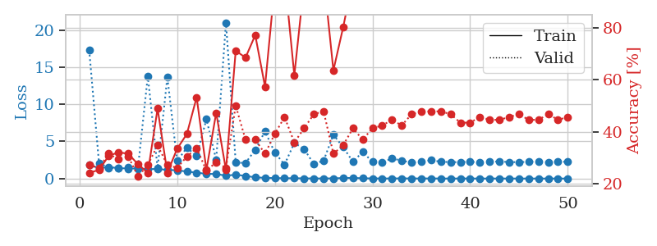
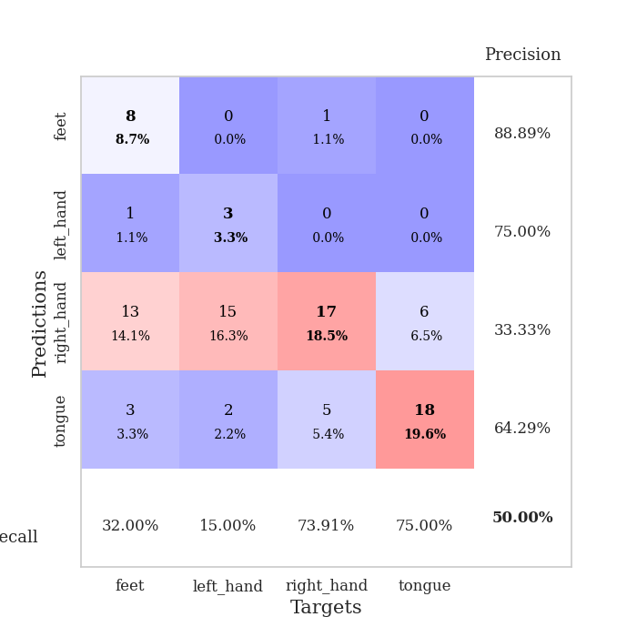
train_loss | valid_loss | train_accuracy | valid_accuracy | dur | train_misclass | valid_misclass
1.8309285122 | 17.288993296 | 0.24184782609 | 0.27173913043 | 1.1503670216 | 24.184782609 | 27.173913043
1.4207242883 | 2.1197813127 | 0.2527173913 | 0.26086956522 | 1.1481437683 | 25.27173913 | 26.086956522
1.5514342007 | 1.4443380574 | 0.30706521739 | 0.3152173913 | 1.1501038074 | 30.706521739 | 31.52173913
1.4090937687 | 1.4139400306 | 0.32065217391 | 0.29347826087 | 1.1472489834 | 32.065217391 | 29.347826087
1.353307895 | 1.4726799623 | 0.3152173913 | 0.30434782609 | 1.1496493816 | 31.52173913 | 30.434782609
1.338058622 | 1.5332672855 | 0.27445652174 | 0.22826086957 | 1.1495349407 | 27.445652174 | 22.826086957
1.2652322313 | 13.809990924 | 0.24184782609 | 0.27173913043 | 1.1499786377 | 24.184782609 | 27.173913043
1.2938122542 | 1.4195751677 | 0.48913043478 | 0.34782608696 | 1.1492631435 | 48.913043478 | 34.782608696
1.1671450164 | 13.689364433 | 0.24184782609 | 0.27173913043 | 1.1507267952 | 24.184782609 | 27.173913043
1.1144337654 | 2.3709068247 | 0.33423913043 | 0.26086956522 | 1.1496374607 | 33.423913043 | 26.086956522
0.94827790364 | 4.1636361143 | 0.39130434783 | 0.30434782609 | 1.1496016979 | 39.130434783 | 30.434782609
0.79323467742 | 3.0346208966 | 0.53260869565 | 0.33695652174 | 1.1498734951 | 53.260869565 | 33.695652174
0.64072512155 | 8.0060999497 | 0.2527173913 | 0.25 | 1.149923563 | 25.27173913 | 25
0.60975172338 | 2.5143027617 | 0.47282608696 | 0.28260869565 | 1.1498367786 | 47.282608696 | 28.260869565
0.38924273525 | 21.019349969 | 0.2527173913 | 0.26086956522 | 1.1504106522 | 25.27173913 | 26.086956522
0.5163548375 | 2.1726008135 | 0.71195652174 | 0.5 | 1.1513767242 | 71.195652174 | 50
0.35642099445 | 2.0860588965 | 0.6847826087 | 0.36956521739 | 1.1511149406 | 68.47826087 | 36.956521739
0.16601415869 | 3.8816777934 | 0.77173913043 | 0.36956521739 | 1.1506071091 | 77.173913043 | 36.956521739
0.098516736908 | 6.3633765138 | 0.57336956522 | 0.3152173913 | 1.150645256 | 57.336956522 | 31.52173913
0.066501988705 | 3.5000606931 | 0.96739130435 | 0.39130434783 | 1.1504194736 | 96.739130435 | 39.130434783
0.040860308476 | 1.8845765176 | 1 | 0.45652173913 | 1.1508927345 | 100 | 45.652173913
0.04751922995 | 4.803468642 | 0.61684782609 | 0.35869565217 | 1.150885582 | 61.684782609 | 35.869565217
0.021115433162 | 3.9810324855 | 0.97010869565 | 0.41304347826 | 1.1519479752 | 97.010869565 | 41.304347826
0.015436720731 | 1.9553965434 | 1 | 0.46739130435 | 1.1516017914 | 100 | 46.739130435
0.010063844201 | 2.4202943315 | 1 | 0.47826086957 | 1.1513977051 | 100 | 47.826086957
0.027590254134 | 5.9031198336 | 0.63586956522 | 0.3152173913 | 1.1516020298 | 63.586956522 | 31.52173913
0.070307435569 | 4.229419107 | 0.80163043478 | 0.34782608696 | 1.1521556377 | 80.163043478 | 34.782608696
0.089571314874 | 2.266577845 | 0.98641304348 | 0.41304347826 | 1.1511645317 | 98.641304348 | 41.304347826
0.036059778315 | 3.5813203376 | 0.9972826087 | 0.36956521739 | 1.1512246132 | 99.72826087 | 36.956521739
0.015326317471 | 2.2542112133 | 1 | 0.41304347826 | 1.1511232853 | 100 | 41.304347826
0.0094004086492 | 2.2074112115 | 1 | 0.42391304348 | 1.1523497105 | 100 | 42.391304348
0.0095002293895 | 2.7028921532 | 1 | 0.44565217391 | 1.1516025066 | 100 | 44.565217391
0.022449921847 | 2.4216872661 | 1 | 0.42391304348 | 1.1520297527 | 100 | 42.391304348
0.0090649999911 | 2.1438685137 | 1 | 0.46739130435 | 1.1521995068 | 100 | 46.739130435
0.010130322751 | 2.2573733174 | 1 | 0.47826086957 | 1.1526100636 | 100 | 47.826086957
0.013107813019 | 2.478645221 | 1 | 0.47826086957 | 1.1515650749 | 100 | 47.826086957
0.0055566243751 | 2.2599406864 | 1 | 0.47826086957 | 1.1520292759 | 100 | 47.826086957
0.0034773203838 | 2.2195058076 | 1 | 0.46739130435 | 1.151932478 | 100 | 46.739130435
0.0057025054234 | 2.2122742352 | 1 | 0.4347826087 | 1.1528332233 | 100 | 43.47826087
0.0050241088991 | 2.2656912441 | 1 | 0.4347826087 | 1.1524369717 | 100 | 43.47826087
0.0035191178917 | 2.1872809452 | 1 | 0.45652173913 | 1.152074337 | 100 | 45.652173913
0.0018002389305 | 2.2712377465 | 1 | 0.44565217391 | 1.1526300907 | 100 | 44.565217391
0.0064268977515 | 2.2997518882 | 1 | 0.44565217391 | 1.1519305706 | 100 | 44.565217391
0.0034160068595 | 2.2263991263 | 1 | 0.45652173913 | 1.1527445316 | 100 | 45.652173913
0.003797892552 | 2.2069961455 | 1 | 0.46739130435 | 1.1523814201 | 100 | 46.739130435
0.0029406363851 | 2.2666251089 | 1 | 0.44565217391 | 1.1519935131 | 100 | 44.565217391
0.0024968599445 | 2.2768265942 | 1 | 0.44565217391 | 1.152500391 | 100 | 44.565217391
0.0027485934153 | 2.2165382219 | 1 | 0.46739130435 | 1.1525912285 | 100 | 46.739130435
0.0023025136635 | 2.3006074584 | 1 | 0.44565217391 | 1.1533746719 | 100 | 44.565217391
0.0015248644252 | 2.2397768342 | 1 | 0.45652173913 | 1.1518545151 | 100 | 45.652173913

Best Val accuracy is 0.5 and Best test accuracy is 0.4051724137931034

Sheet5
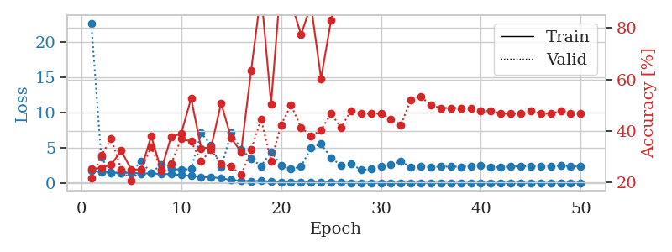
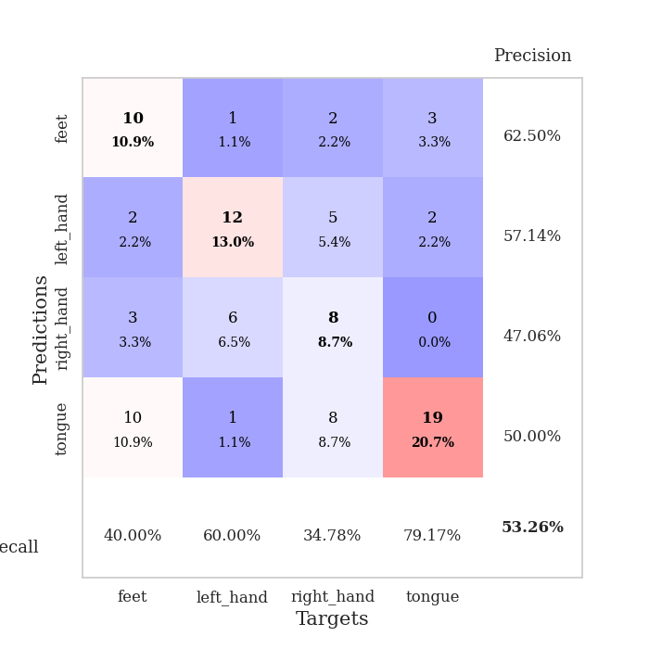
train_loss | valid_loss | train_accuracy | valid_accuracy | dur | train_misclass | valid_misclass
1.7805372166 | 22.697134433 | 0.2527173913 | 0.21739130435 | 1.1520326138 | 25.27173913 | 21.739130435
1.5253526853 | 3.6207784622 | 0.25543478261 | 0.30434782609 | 1.1499569416 | 25.543478261 | 30.434782609
1.485979982 | 1.3912202223 | 0.26902173913 | 0.36956521739 | 1.1478648186 | 26.902173913 | 36.956521739
1.4056817708 | 1.4590355832 | 0.32336956522 | 0.25 | 1.1492540836 | 32.336956522 | 25
1.4538515806 | 1.6371949393 | 0.25 | 0.20652173913 | 1.1504514217 | 25 | 20.652173913
1.3344942798 | 3.050054291 | 0.25 | 0.25 | 1.1497840881 | 25 | 25
1.3522873806 | 1.4074933995 | 0.38043478261 | 0.33695652174 | 1.1500139236 | 38.043478261 | 33.695652174
1.2693920291 | 2.6031294698 | 0.2472826087 | 0.25 | 1.1504335403 | 24.72826087 | 25
1.2478907238 | 2.0387402462 | 0.3777173913 | 0.27173913043 | 1.1495463848 | 37.77173913 | 27.173913043
1.1209329989 | 1.8709283601 | 0.38858695652 | 0.36956521739 | 1.1502232552 | 38.858695652 | 36.956521739
1.0128118474 | 1.9837055828 | 0.52717391304 | 0.35869565217 | 1.1495187283 | 52.717391304 | 35.869565217
0.78417530785 | 7.0788671452 | 0.33152173913 | 0.28260869565 | 1.1513307095 | 33.152173913 | 28.260869565
0.83238185489 | 5.3646668766 | 0.33695652174 | 0.32608695652 | 1.1500272751 | 33.695652174 | 32.608695652
0.64053495034 | 2.1973495898 | 0.50815217391 | 0.27173913043 | 1.1510877609 | 50.815217391 | 27.173913043
0.43765689562 | 7.0752966715 | 0.3722826087 | 0.26086956522 | 1.1511077881 | 37.22826087 | 26.086956522
0.27695305743 | 4.794335158 | 0.31793478261 | 0.22826086957 | 1.1501588821 | 31.793478261 | 22.826086957
0.26064793182 | 3.4551614575 | 0.63315217391 | 0.32608695652 | 1.1503367424 | 63.315217391 | 32.608695652
0.27203380478 | 2.3981112708 | 0.9375 | 0.44565217391 | 1.150251627 | 93.75 | 44.565217391
0.19730738599 | 4.420428898 | 0.50543478261 | 0.28260869565 | 1.1511938572 | 50.543478261 | 28.260869565
0.091284764607 | 2.5212267015 | 0.98913043478 | 0.42391304348 | 1.1501219273 | 98.913043478 | 42.391304348
0.095031091781 | 1.9621444578 | 0.89945652174 | 0.5 | 1.1509461403 | 89.945652174 | 50
0.080765275001 | 2.3353932733 | 0.77445652174 | 0.41304347826 | 1.1505608559 | 77.445652174 | 41.304347826
0.049751524125 | 4.9607950397 | 0.88858695652 | 0.38043478261 | 1.1505832672 | 88.858695652 | 38.043478261
0.070380488836 | 5.5528947374 | 0.60326086957 | 0.40217391304 | 1.1510460377 | 60.326086957 | 40.217391304
0.060810658109 | 3.5364463226 | 0.82880434783 | 0.46739130435 | 1.1507370472 | 82.880434783 | 46.739130435
0.037658267482 | 2.5089652435 | 1 | 0.41304347826 | 1.1511678696 | 100 | 41.304347826
0.019438770038 | 2.7138273509 | 0.99184782609 | 0.47826086957 | 1.1506602764 | 99.184782609 | 47.826086957
0.024019688753 | 1.8373626315 | 0.99456521739 | 0.46739130435 | 1.1509854794 | 99.456521739 | 46.739130435
0.012503728028 | 1.9728120617 | 1 | 0.46739130435 | 1.1511690617 | 100 | 46.739130435
0.011113092293 | 2.3547500424 | 1 | 0.46739130435 | 1.1511163712 | 100 | 46.739130435
0.0068403558069 | 2.5810799495 | 1 | 0.44565217391 | 1.1517128944 | 100 | 44.565217391
0.0076415019487 | 3.0396157348 | 1 | 0.42391304348 | 1.1516873837 | 100 | 42.391304348
0.0083641859933 | 2.2263967369 | 1 | 0.52173913043 | 1.1512458324 | 100 | 52.173913043
0.0027067689529 | 2.3515996726 | 1 | 0.53260869565 | 1.1508841515 | 100 | 53.260869565
0.010978398518 | 2.2441871892 | 1 | 0.5 | 1.1501555443 | 100 | 50
0.0045804201686 | 2.2983167068 | 1 | 0.48913043478 | 1.150711298 | 100 | 48.913043478
0.0012295238798 | 2.3084050469 | 1 | 0.48913043478 | 1.151037693 | 100 | 48.913043478
0.0046274101706 | 2.2909610064 | 1 | 0.48913043478 | 1.1509690285 | 100 | 48.913043478
0.0070892675393 | 2.39136813 | 1 | 0.48913043478 | 1.1518521309 | 100 | 48.913043478
0.0029673030595 | 2.4873604671 | 1 | 0.47826086957 | 1.1517517567 | 100 | 47.826086957
0.0037164359465 | 2.2545142588 | 1 | 0.47826086957 | 1.1523475647 | 100 | 47.826086957
0.0094484943661 | 2.2516226665 | 1 | 0.46739130435 | 1.151586771 | 100 | 46.739130435
0.0035268581996 | 2.3208289872 | 1 | 0.46739130435 | 1.1521732807 | 100 | 46.739130435
0.0019834664493 | 2.3310161777 | 1 | 0.46739130435 | 1.1515700817 | 100 | 46.739130435
0.0020963196015 | 2.3875346495 | 1 | 0.47826086957 | 1.1524105072 | 100 | 47.826086957
0.0014243967446 | 2.3604380566 | 1 | 0.46739130435 | 1.1511595249 | 100 | 46.739130435
0.0017521380353 | 2.3186845676 | 1 | 0.46739130435 | 1.1529695988 | 100 | 46.739130435
0.0037123809427 | 2.4944347713 | 1 | 0.47826086957 | 1.1521155834 | 100 | 47.826086957
0.0027943515161 | 2.3454079732 | 1 | 0.46739130435 | 1.1525335312 | 100 | 46.739130435
0.0024103372631 | 2.3072704336 | 1 | 0.46739130435 | 1.1517486572 | 100 | 46.739130435

Best Val accuracy is 0.532608695652174 and Best test accuracy is 0.39655172413793105

Sheet6
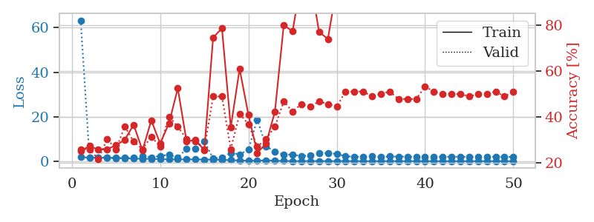
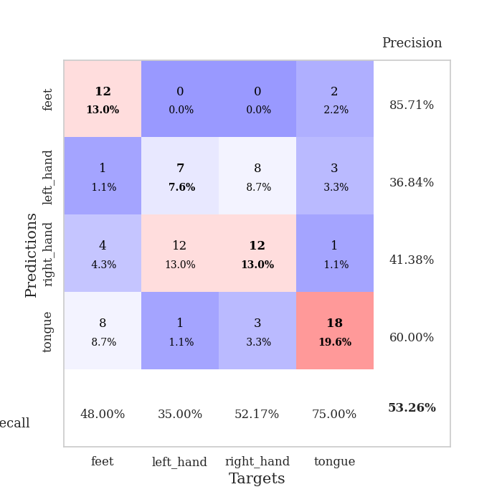
train_loss | valid_loss | train_accuracy | valid_accuracy | dur | train_misclass | valid_misclass
1.8424528423 | 63.302115399 | 0.2527173913 | 0.26086956522 | 1.1504611969 | 25.27173913 | 26.086956522
1.5333612898 | 1.5540407015 | 0.27445652174 | 0.26086956522 | 1.1478557587 | 27.445652174 | 26.086956522
1.5669713746 | 1.7138983685 | 0.25815217391 | 0.21739130435 | 1.1488275528 | 25.815217391 | 21.739130435
1.4434962946 | 1.6373821756 | 0.26086956522 | 0.30434782609 | 1.1487033367 | 26.086956522 | 30.434782609
1.3808370051 | 1.4514489589 | 0.27717391304 | 0.26086956522 | 1.1492595673 | 27.717391304 | 26.086956522
1.2532867349 | 1.4586790696 | 0.30163043478 | 0.35869565217 | 1.1494500637 | 30.163043478 | 35.869565217
1.1395997872 | 1.6483578837 | 0.36684782609 | 0.29347826087 | 1.1520116329 | 36.684782609 | 29.347826087
1.0684966989 | 2.3791580926 | 0.25543478261 | 0.26086956522 | 1.1493420601 | 25.543478261 | 26.086956522
1.0364691589 | 1.7191455053 | 0.38586956522 | 0.3152173913 | 1.150696516 | 38.586956522 | 31.52173913
0.88493347427 | 2.3536884577 | 0.28532608696 | 0.27173913043 | 1.1489884853 | 28.532608696 | 27.173913043
0.7893539693 | 2.8895104761 | 0.3722826087 | 0.40217391304 | 1.1503531933 | 37.22826087 | 40.217391304
0.76895034313 | 1.5318684111 | 0.52445652174 | 0.35869565217 | 1.1504142284 | 52.445652174 | 35.869565217
0.7769190397 | 5.6868614736 | 0.29347826087 | 0.30434782609 | 1.1497848034 | 29.347826087 | 30.434782609
0.76176708937 | 5.6715558715 | 0.30163043478 | 0.29347826087 | 1.149715662 | 30.163043478 | 29.347826087
0.71771039133 | 8.9725169514 | 0.25543478261 | 0.26086956522 | 1.1497411728 | 25.543478261 | 26.086956522
0.70833094612 | 1.2944697038 | 0.74456521739 | 0.48913043478 | 1.1494562626 | 74.456521739 | 48.913043478
0.58114616378 | 1.4351599165 | 0.78532608696 | 0.48913043478 | 1.1512143612 | 78.532608696 | 48.913043478
0.43613008313 | 3.6867162974 | 0.35597826087 | 0.26086956522 | 1.1507582664 | 35.597826087 | 26.086956522
0.31690401552 | 3.0522518987 | 0.60869565217 | 0.41304347826 | 1.1506226063 | 60.869565217 | 41.304347826
0.19943679416 | 5.1286845207 | 0.41032608696 | 0.36956521739 | 1.1508450508 | 41.032608696 | 36.956521739
0.2123626524 | 18.70891795 | 0.24456521739 | 0.27173913043 | 1.1501996517 | 24.456521739 | 27.173913043
0.36239611843 | 6.6683543661 | 0.28532608696 | 0.30434782609 | 1.1509399414 | 28.532608696 | 30.434782609
0.21813566367 | 4.2718887744 | 0.42391304348 | 0.35869565217 | 1.1508316994 | 42.391304348 | 35.869565217
0.082215571938 | 2.9276806479 | 0.79891304348 | 0.46739130435 | 1.1511318684 | 79.891304348 | 46.739130435
0.043073289643 | 2.9865935678 | 0.77173913043 | 0.42391304348 | 1.1501977444 | 77.173913043 | 42.391304348
0.02995794884 | 2.1987195015 | 1 | 0.45652173913 | 1.1509923935 | 100 | 45.652173913
0.03966611399 | 2.6147126737 | 1 | 0.44565217391 | 1.1506719589 | 100 | 44.565217391
0.040144921523 | 3.4845623866 | 0.76902173913 | 0.46739130435 | 1.1516199112 | 76.902173913 | 46.739130435
0.021740371503 | 3.6174799256 | 0.73913043478 | 0.45652173913 | 1.1510953903 | 73.913043478 | 45.652173913
0.02688594456 | 3.2866081466 | 0.96467391304 | 0.44565217391 | 1.1511282921 | 96.467391304 | 44.565217391
0.03109417261 | 2.1911024633 | 1 | 0.51086956522 | 1.1512317657 | 100 | 51.086956522
0.014444036055 | 1.9832602843 | 1 | 0.51086956522 | 1.1504619122 | 100 | 51.086956522
0.0066437817928 | 1.915078583 | 1 | 0.51086956522 | 1.1499526501 | 100 | 51.086956522
0.012780450343 | 2.1348946768 | 1 | 0.48913043478 | 1.1512300968 | 100 | 48.913043478
0.01806998637 | 1.7810256896 | 1 | 0.5 | 1.1505122185 | 100 | 50
0.0057168422095 | 2.0979051123 | 1 | 0.51086956522 | 1.1512022018 | 100 | 51.086956522
0.0048993023229 | 2.0372779007 | 1 | 0.47826086957 | 1.1519777775 | 100 | 47.826086957
0.0047042574784 | 2.0185193031 | 1 | 0.47826086957 | 1.1513032913 | 100 | 47.826086957
0.0036528603523 | 1.9726285727 | 1 | 0.47826086957 | 1.1503443718 | 100 | 47.826086957
0.0042604731862 | 1.846377606 | 1 | 0.53260869565 | 1.1516895294 | 100 | 53.260869565
0.0026912490063 | 1.8820434083 | 1 | 0.51086956522 | 1.1508710384 | 100 | 51.086956522
0.0030025926383 | 1.9688429159 | 1 | 0.5 | 1.1515903473 | 100 | 50
0.0033177332231 | 1.9539393601 | 1 | 0.5 | 1.1517021656 | 100 | 50
0.002560418208 | 1.966360823 | 1 | 0.5 | 1.1501858234 | 100 | 50
0.0026127740807 | 1.9048933205 | 1 | 0.48913043478 | 1.1523449421 | 100 | 48.913043478
0.0045081085561 | 1.9590411134 | 1 | 0.5 | 1.1513059139 | 100 | 50
0.0035305078769 | 1.977702032 | 1 | 0.5 | 1.1512823105 | 100 | 50
0.0036291823566 | 1.949758115 | 1 | 0.51086956522 | 1.1515340805 | 100 | 51.086956522
0.0024633725229 | 1.9350783307 | 1 | 0.48913043478 | 1.1518554688 | 100 | 48.913043478
0.0022334413775 | 1.9082276355 | 1 | 0.51086956522 | 1.1508777142 | 100 | 51.086956522

Best Val accuracy is 0.532608695652174 and Best test accuracy is 0.4396551724137931

Sheet7
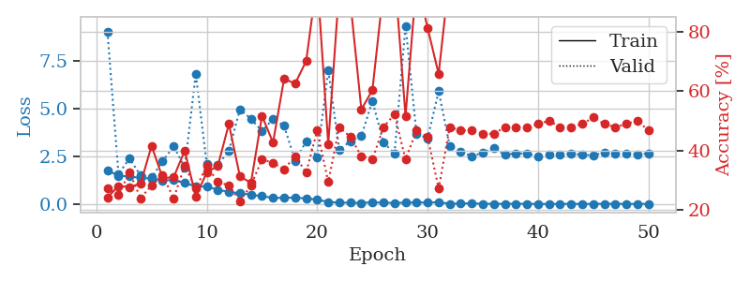
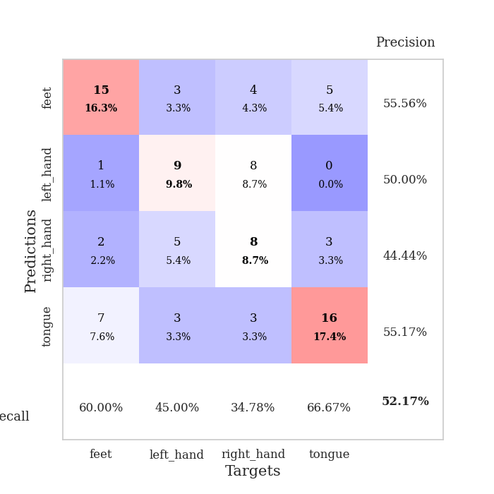
train_loss | valid_loss | train_accuracy | valid_accuracy | dur | train_misclass | valid_misclass
1.7678734479 | 9.0034021087 | 0.24184782609 | 0.27173913043 | 1.1553850174 | 24.184782609 | 27.173913043
1.4769745184 | 1.5638974698 | 0.27989130435 | 0.25 | 1.1472864151 | 27.989130435 | 25
1.4438284843 | 2.3817188118 | 0.27717391304 | 0.32608695652 | 1.1499838829 | 27.717391304 | 32.608695652
1.3573602179 | 1.4914715186 | 0.28804347826 | 0.23913043478 | 1.1501421928 | 28.804347826 | 23.913043478
1.3340710142 | 1.3979564802 | 0.41576086957 | 0.28260869565 | 1.1510949135 | 41.576086957 | 28.260869565
1.2364757683 | 2.2336058202 | 0.30706521739 | 0.3152173913 | 1.1504733562 | 30.706521739 | 31.52173913
1.2538994395 | 3.0279818099 | 0.3097826087 | 0.23913043478 | 1.1501100063 | 30.97826087 | 23.913043478
1.0969780994 | 1.9041951843 | 0.39945652174 | 0.34782608696 | 1.1500294209 | 39.945652174 | 34.782608696
0.92292713342 | 6.8060455737 | 0.24456521739 | 0.27173913043 | 1.1509513855 | 24.456521739 | 27.173913043
0.90817070785 | 2.072677094 | 0.32608695652 | 0.34782608696 | 1.1499586105 | 32.608695652 | 34.782608696
0.74804816039 | 2.0337802431 | 0.34782608696 | 0.29347826087 | 1.1497027874 | 34.782608696 | 29.347826087
0.62903777801 | 2.797791678 | 0.48913043478 | 0.28260869565 | 1.1506812572 | 48.913043478 | 28.260869565
0.5664489943 | 4.9414064988 | 0.3125 | 0.22826086957 | 1.1506137848 | 31.25 | 22.826086957
0.4841177483 | 4.4531873827 | 0.29076086957 | 0.28260869565 | 1.1501317024 | 29.076086957 | 28.260869565
0.41017608668 | 3.8061386295 | 0.51630434783 | 0.36956521739 | 1.1504838467 | 51.630434783 | 36.956521739
0.31906722875 | 4.4502566379 | 0.42663043478 | 0.35869565217 | 1.1519584656 | 42.663043478 | 35.869565217
0.32490092062 | 4.0850187385 | 0.64130434783 | 0.33695652174 | 1.1502127647 | 64.130434783 | 33.695652174
0.33648108918 | 2.2672987088 | 0.625 | 0.38043478261 | 1.1512060165 | 62.5 | 38.043478261
0.29020066527 | 3.2701119133 | 0.70108695652 | 0.32608695652 | 1.1531429291 | 70.108695652 | 32.608695652
0.23142751679 | 2.4572490298 | 0.97826086957 | 0.46739130435 | 1.149805069 | 97.826086957 | 46.739130435
0.10605589535 | 6.9919034709 | 0.42119565217 | 0.29347826087 | 1.1507525444 | 42.119565217 | 29.347826087
0.072235902366 | 2.8315203397 | 0.95108695652 | 0.47826086957 | 1.1494574547 | 95.108695652 | 47.826086957
0.069404440284 | 3.2847241941 | 0.90217391304 | 0.44565217391 | 1.1506018639 | 90.217391304 | 44.565217391
0.060484902042 | 3.5474304531 | 0.53804347826 | 0.38043478261 | 1.1502351761 | 53.804347826 | 38.043478261
0.089045029377 | 5.3901618253 | 0.60326086957 | 0.36956521739 | 1.1506764889 | 60.326086957 | 36.956521739
0.064678571491 | 3.2223627878 | 0.94293478261 | 0.47826086957 | 1.1497533321 | 94.293478261 | 47.826086957
0.061911652725 | 2.6367747887 | 1 | 0.52173913043 | 1.1498703957 | 100 | 52.173913043
0.066876833914 | 9.3185347681 | 0.51630434783 | 0.36956521739 | 1.1503822803 | 51.630434783 | 36.956521739
0.090083587894 | 3.660529033 | 0.97282608696 | 0.46739130435 | 1.1498129368 | 97.282608696 | 46.739130435
0.070063463048 | 3.4258264666 | 0.8125 | 0.44565217391 | 1.1514966488 | 81.25 | 44.565217391
0.098340358443 | 5.8993348246 | 0.65760869565 | 0.27173913043 | 1.1502697468 | 65.760869565 | 27.173913043
0.014004877414 | 3.0463736161 | 0.9972826087 | 0.47826086957 | 1.1501979828 | 99.72826087 | 47.826086957
0.026798633074 | 2.7397030125 | 1 | 0.46739130435 | 1.1501407623 | 100 | 46.739130435
0.034021091151 | 2.5039621643 | 1 | 0.46739130435 | 1.1515643597 | 100 | 46.739130435
0.012527243811 | 2.6793510188 | 1 | 0.45652173913 | 1.1510181427 | 100 | 45.652173913
0.01157853433 | 2.9074123217 | 1 | 0.45652173913 | 1.1508674622 | 100 | 45.652173913
0.010580067978 | 2.5667221857 | 1 | 0.47826086957 | 1.1517634392 | 100 | 47.826086957
0.014718777176 | 2.6509429061 | 1 | 0.47826086957 | 1.1517140865 | 100 | 47.826086957
0.0097223471587 | 2.6405971983 | 1 | 0.47826086957 | 1.1526470184 | 100 | 47.826086957
0.0055650970797 | 2.5032036719 | 1 | 0.48913043478 | 1.1523694992 | 100 | 48.913043478
0.0046918444454 | 2.5848809843 | 1 | 0.5 | 1.1521551609 | 100 | 50
0.0071242452073 | 2.6083826604 | 1 | 0.47826086957 | 1.1517784595 | 100 | 47.826086957
0.010020511501 | 2.6212728335 | 1 | 0.47826086957 | 1.1518826485 | 100 | 47.826086957
0.0033687705164 | 2.5846636606 | 1 | 0.48913043478 | 1.1512646675 | 100 | 48.913043478
0.0043387668329 | 2.5390221762 | 1 | 0.51086956522 | 1.1524231434 | 100 | 51.086956522
0.013652240549 | 2.6911881903 | 1 | 0.48913043478 | 1.1517484188 | 100 | 48.913043478
0.010460391899 | 2.6343113443 | 1 | 0.47826086957 | 1.152132988 | 100 | 47.826086957
0.0066569554417 | 2.6300936782 | 1 | 0.48913043478 | 1.1525866985 | 100 | 48.913043478
0.0079381437213 | 2.60575054 | 1 | 0.5 | 1.1526379585 | 100 | 50
0.0056685617563 | 2.6354350836 | 1 | 0.46739130435 | 1.15289855 | 100 | 46.739130435

Best Val accuracy is 0.5217391304347826 and Best test accuracy is 0.27586206896551724

Sheet8
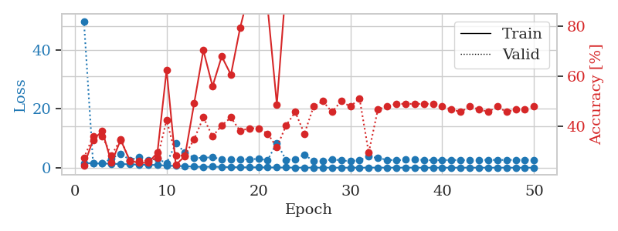
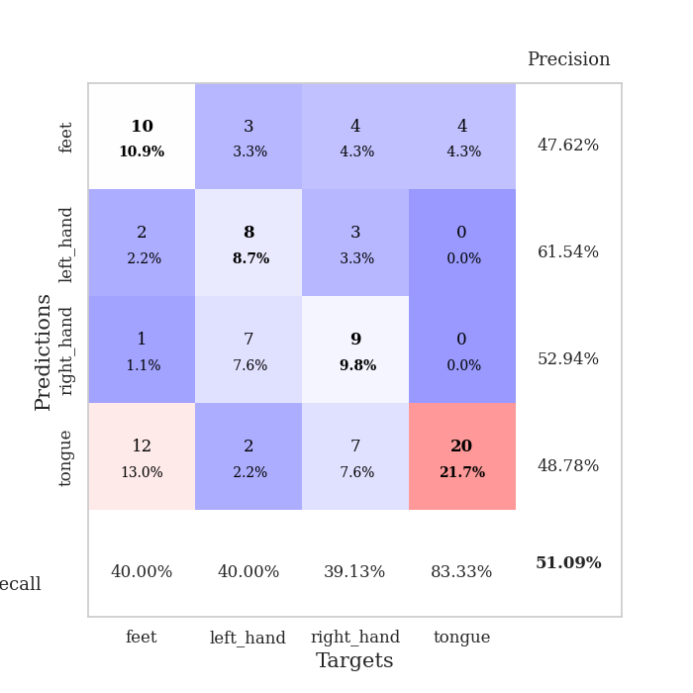
train_loss | valid_loss | train_accuracy | valid_accuracy | dur | train_misclass | valid_misclass
1.5973387283 | 49.772520148 | 0.24184782609 | 0.27173913043 | 1.1537652016 | 24.184782609 | 27.173913043
1.4734898857 | 1.378335025 | 0.34510869565 | 0.35869565217 | 1.1476647854 | 34.510869565 | 35.869565217
1.4377230198 | 1.3855114812 | 0.38043478261 | 0.35869565217 | 1.1489093304 | 38.043478261 | 35.869565217
1.2986388206 | 3.1050271573 | 0.2527173913 | 0.28260869565 | 1.1503651142 | 25.27173913 | 28.260869565
1.250222727 | 4.758839939 | 0.34510869565 | 0.34782608696 | 1.1504030228 | 34.510869565 | 34.782608696
1.1434039888 | 2.6567317662 | 0.26086956522 | 0.26086956522 | 1.1499364376 | 26.086956522 | 26.086956522
1.0012789187 | 3.4677672593 | 0.2527173913 | 0.26086956522 | 1.1499361992 | 25.27173913 | 26.086956522
0.93555049015 | 2.5794661771 | 0.2527173913 | 0.26086956522 | 1.1504619122 | 25.27173913 | 26.086956522
0.9402881472 | 3.0369329453 | 0.29347826087 | 0.27173913043 | 1.1498913765 | 29.347826087 | 27.173913043
0.6681130658 | 1.4967795299 | 0.625 | 0.42391304348 | 1.1501619816 | 62.5 | 42.391304348
0.60327893755 | 8.2188991878 | 0.24456521739 | 0.28260869565 | 1.1512527466 | 24.456521739 | 28.260869565
0.49773580613 | 5.2002813505 | 0.27989130435 | 0.28260869565 | 1.149682045 | 27.989130435 | 28.260869565
0.32657760835 | 3.2796282354 | 0.49184782609 | 0.34782608696 | 1.1500058174 | 49.184782609 | 34.782608696
0.27305184159 | 3.3423704686 | 0.70380434783 | 0.4347826087 | 1.1509625912 | 70.380434783 | 43.47826087
0.33658090542 | 3.5715233036 | 0.5597826087 | 0.35869565217 | 1.1513559818 | 55.97826087 | 35.869565217
0.24170010116 | 2.7792929152 | 0.67934782609 | 0.40217391304 | 1.150364399 | 67.934782609 | 40.217391304
0.19159196868 | 2.7752039433 | 0.60597826087 | 0.4347826087 | 1.1513903141 | 60.597826087 | 43.47826087
0.14098176716 | 2.7635182401 | 0.79347826087 | 0.38043478261 | 1.1499142647 | 79.347826087 | 38.043478261
0.10738497252 | 2.903109509 | 0.9402173913 | 0.39130434783 | 1.1507062912 | 94.02173913 | 39.130434783
0.12878849746 | 2.9494662181 | 0.88315217391 | 0.39130434783 | 1.1498024464 | 88.315217391 | 39.130434783
0.08479856149 | 2.6045794487 | 0.875 | 0.36956521739 | 1.1509940624 | 87.5 | 36.956521739
0.073046573114 | 8.4098172395 | 0.48641304348 | 0.3152173913 | 1.1508178711 | 48.641304348 | 31.52173913
0.06622468919 | 2.640706705 | 0.96739130435 | 0.40217391304 | 1.1514964104 | 96.739130435 | 40.217391304
0.027188503568 | 2.9066825017 | 1 | 0.45652173913 | 1.1503620148 | 100 | 45.652173913
0.024143878269 | 4.4261586977 | 0.95652173913 | 0.36956521739 | 1.1508173943 | 95.652173913 | 36.956521739
0.018017088215 | 2.2169441969 | 1 | 0.47826086957 | 1.1500647068 | 100 | 47.826086957
0.010707086767 | 2.2045426524 | 1 | 0.5 | 1.1508440971 | 100 | 50
0.0074000391507 | 2.851298695 | 1 | 0.45652173913 | 1.1498625278 | 100 | 45.652173913
0.01034278618 | 2.455351928 | 1 | 0.5 | 1.1497001648 | 100 | 50
0.0061592440571 | 2.2006709524 | 1 | 0.47826086957 | 1.1502773762 | 100 | 47.826086957
0.0033488925369 | 2.4951545985 | 1 | 0.51086956522 | 1.151001215 | 100 | 51.086956522
0.030822308663 | 3.8554432288 | 0.91304347826 | 0.29347826087 | 1.1505906582 | 91.304347826 | 29.347826087
0.025672141298 | 3.2452719626 | 1 | 0.46739130435 | 1.1502718925 | 100 | 46.739130435
0.010958877177 | 2.6697180582 | 1 | 0.47826086957 | 1.1510493755 | 100 | 47.826086957
0.0086644763081 | 2.5047160024 | 1 | 0.48913043478 | 1.1502583027 | 100 | 48.913043478
0.026880089901 | 2.6916196243 | 1 | 0.48913043478 | 1.1507406235 | 100 | 48.913043478
0.018459044723 | 2.8615887372 | 1 | 0.48913043478 | 1.1502540112 | 100 | 48.913043478
0.0072447896945 | 2.5912699492 | 1 | 0.48913043478 | 1.1510488987 | 100 | 48.913043478
0.0060767869544 | 2.5343243868 | 1 | 0.48913043478 | 1.1507115364 | 100 | 48.913043478
0.0035904715845 | 2.5724482225 | 1 | 0.47826086957 | 1.1510195732 | 100 | 47.826086957
0.0042184457542 | 2.6134921779 | 1 | 0.46739130435 | 1.1511285305 | 100 | 46.739130435
0.0023347410973 | 2.5742358643 | 1 | 0.45652173913 | 1.1518917084 | 100 | 45.652173913
0.0053123577407 | 2.5680949481 | 1 | 0.47826086957 | 1.1514279842 | 100 | 47.826086957
0.0049813010327 | 2.5858482278 | 1 | 0.46739130435 | 1.1519930363 | 100 | 46.739130435
0.0032878455481 | 2.6375065264 | 1 | 0.45652173913 | 1.1517865658 | 100 | 45.652173913
0.0070582722787 | 2.6171330369 | 1 | 0.47826086957 | 1.1513302326 | 100 | 47.826086957
0.002219612447 | 2.61020734 | 1 | 0.45652173913 | 1.152148962 | 100 | 45.652173913
0.0041046403526 | 2.6643326904 | 1 | 0.46739130435 | 1.1514728069 | 100 | 46.739130435
0.012222944326 | 2.6662901173 | 1 | 0.46739130435 | 1.1522624493 | 100 | 46.739130435
0.0020172363742 | 2.5881912916 | 1 | 0.47826086957 | 1.1527674198 | 100 | 47.826086957

Best Val accuracy is 0.5108695652173914 and Best test accuracy is 0.41379310344827586

Sheet9
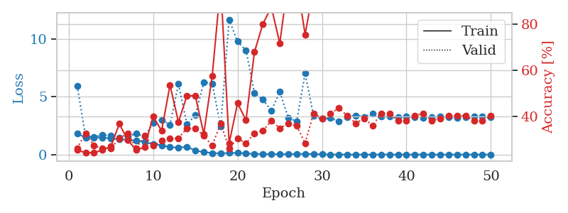
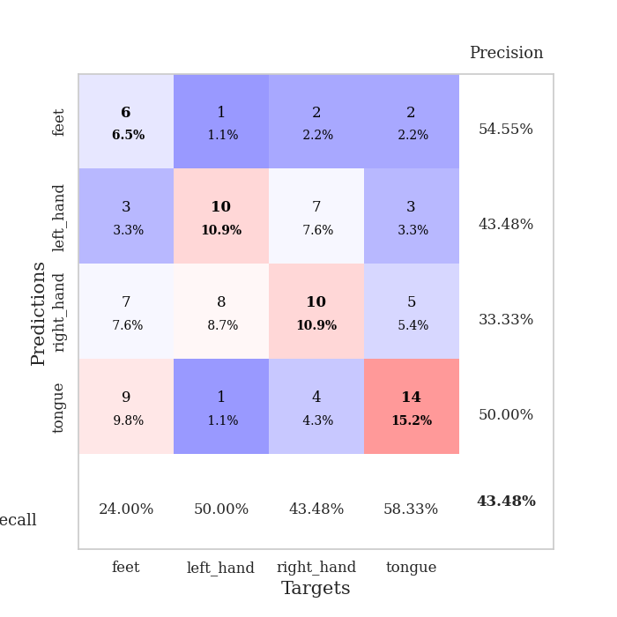
train_loss | valid_loss | train_accuracy | valid_accuracy | dur | train_misclass | valid_misclass
1.8102137835 | 5.9498341395 | 0.2527173913 | 0.26086956522 | 1.1509571075 | 25.27173913 | 26.086956522
1.4898391807 | 1.6208497856 | 0.24184782609 | 0.32608695652 | 1.1462152004 | 24.184782609 | 32.608695652
1.4736915879 | 1.5339710246 | 0.24184782609 | 0.27173913043 | 1.1475718021 | 24.184782609 | 27.173913043
1.4895486832 | 1.6932588505 | 0.2527173913 | 0.26086956522 | 1.1501247883 | 25.27173913 | 26.086956522
1.3858720323 | 1.6735275932 | 0.26902173913 | 0.26086956522 | 1.1506223679 | 26.902173913 | 26.086956522
1.3405433375 | 1.4737794347 | 0.36684782609 | 0.30434782609 | 1.1507539749 | 36.684782609 | 30.434782609
1.266397357 | 1.6055428412 | 0.29619565217 | 0.32608695652 | 1.1502947807 | 29.619565217 | 32.608695652
1.1994990603 | 1.8087171627 | 0.2527173913 | 0.26086956522 | 1.1498122215 | 25.27173913 | 26.086956522
1.081071312 | 1.5633361029 | 0.26630434783 | 0.3152173913 | 1.1507136822 | 26.630434783 | 31.52173913
0.90831251766 | 2.7312913148 | 0.39945652174 | 0.27173913043 | 1.1501955986 | 39.945652174 | 27.173913043
0.79915923917 | 3.0160554803 | 0.33695652174 | 0.29347826087 | 1.149980545 | 33.695652174 | 29.347826087
0.66064960412 | 2.5898585112 | 0.53532608696 | 0.30434782609 | 1.1503608227 | 53.532608696 | 30.434782609
0.60284275594 | 6.1201650163 | 0.375 | 0.30434782609 | 1.1503360271 | 37.5 | 30.434782609
0.6787772982 | 2.6182221122 | 0.48913043478 | 0.34782608696 | 1.1514828205 | 48.913043478 | 34.782608696
0.35086911139 | 3.4183788403 | 0.48913043478 | 0.34782608696 | 1.151465416 | 48.913043478 | 34.782608696
0.2194417511 | 6.2579365606 | 0.32336956522 | 0.3152173913 | 1.1512200832 | 32.336956522 | 31.52173913
0.13628055836 | 6.1458271897 | 0.57608695652 | 0.27173913043 | 1.1514248848 | 57.608695652 | 27.173913043
0.10918913774 | 2.4188901393 | 0.97554347826 | 0.36956521739 | 1.1508333683 | 97.554347826 | 36.956521739
0.14019341613 | 11.686505732 | 0.28260869565 | 0.26086956522 | 1.1525521278 | 28.260869565 | 26.086956522
0.15002965494 | 9.7858745326 | 0.45652173913 | 0.30434782609 | 1.1507117748 | 45.652173913 | 30.434782609
0.11333033163 | 9.0146971993 | 0.38315217391 | 0.28260869565 | 1.1516890526 | 38.315217391 | 28.260869565
0.064686143143 | 5.3216790842 | 0.67934782609 | 0.32608695652 | 1.1503112316 | 67.934782609 | 32.608695652
0.050713536795 | 4.7547801785 | 0.80163043478 | 0.33695652174 | 1.1517682076 | 80.163043478 | 33.695652174
0.023263083973 | 3.7960687098 | 0.875 | 0.38043478261 | 1.1508615017 | 87.5 | 38.043478261
0.052449720406 | 5.4258280215 | 0.71739130435 | 0.34782608696 | 1.1524424553 | 71.739130435 | 34.782608696
0.021621462783 | 3.1932819201 | 0.99184782609 | 0.36956521739 | 1.1517267227 | 99.184782609 | 36.956521739
0.053141350666 | 2.8710636782 | 0.99184782609 | 0.35869565217 | 1.1525554657 | 99.184782609 | 35.869565217
0.05945796929 | 7.0344377393 | 0.75543478261 | 0.28260869565 | 1.1503140926 | 75.543478261 | 28.260869565
0.054785784754 | 3.3587399877 | 0.95923913043 | 0.41304347826 | 1.1512441635 | 95.923913043 | 41.304347826
0.020000428953 | 3.090041824 | 1 | 0.39130434783 | 1.1523702145 | 100 | 39.130434783
0.0065582654712 | 3.1689470229 | 1 | 0.41304347826 | 1.1499121189 | 100 | 41.304347826
0.0057344951049 | 2.8666420294 | 1 | 0.4347826087 | 1.1519827843 | 100 | 43.47826087
0.0055565610579 | 3.2296537524 | 1 | 0.40217391304 | 1.1508357525 | 100 | 40.217391304
0.005882710879 | 3.3862616187 | 1 | 0.36956521739 | 1.1517121792 | 100 | 36.956521739
0.0033885321856 | 3.2707634905 | 1 | 0.39130434783 | 1.1507835388 | 100 | 39.130434783
0.0044526930382 | 3.5595840371 | 1 | 0.35869565217 | 1.1506233215 | 100 | 35.869565217
0.0042913326989 | 3.2927921026 | 1 | 0.41304347826 | 1.1517853737 | 100 | 41.304347826
0.0027299060565 | 3.2778165444 | 1 | 0.41304347826 | 1.1510193348 | 100 | 41.304347826
0.0018428196667 | 3.2395913497 | 1 | 0.38043478261 | 1.1522088051 | 100 | 38.043478261
0.0027691775176 | 3.2828638346 | 1 | 0.38043478261 | 1.1517522335 | 100 | 38.043478261
0.0034862695168 | 3.2239069835 | 1 | 0.40217391304 | 1.1523091793 | 100 | 40.217391304
0.010232838835 | 3.1567122107 | 1 | 0.41304347826 | 1.151330471 | 100 | 41.304347826
0.0027255585358 | 3.2554903238 | 1 | 0.38043478261 | 1.1518287659 | 100 | 38.043478261
0.0023986864898 | 3.3016556346 | 1 | 0.39130434783 | 1.1522910595 | 100 | 39.130434783
0.0019821332003 | 3.2282983013 | 1 | 0.40217391304 | 1.1521658897 | 100 | 40.217391304
0.0026305856945 | 3.2027430223 | 1 | 0.40217391304 | 1.1518983841 | 100 | 40.217391304
0.006142304818 | 3.2397275697 | 1 | 0.40217391304 | 1.1520044804 | 100 | 40.217391304
0.002809853646 | 3.3296793233 | 1 | 0.38043478261 | 1.1521115303 | 100 | 38.043478261
0.0023732525752 | 3.2732395918 | 1 | 0.38043478261 | 1.1525232792 | 100 | 38.043478261
0.0030971566568 | 3.239300448 | 1 | 0.40217391304 | 1.151971817 | 100 | 40.217391304

Best Val accuracy is 0.43478260869565216 and Best test accuracy is 0.3706896551724138

Sheet10
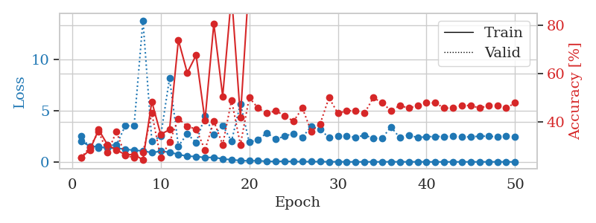
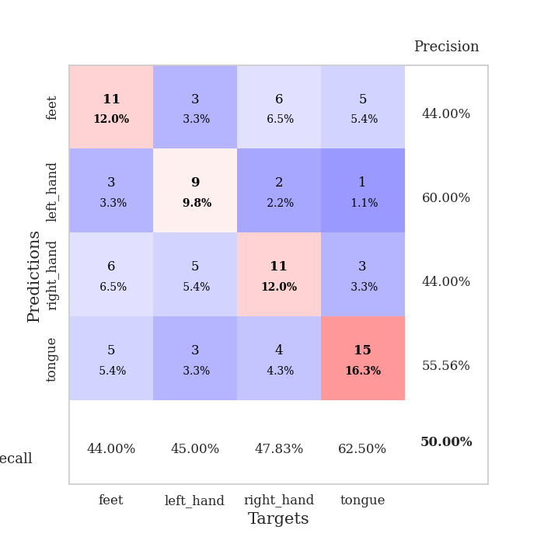
train_loss | valid_loss | train_accuracy | valid_accuracy | dur | train_misclass | valid_misclass
2.0267630816 | 2.5490587224 | 0.25 | 0.25 | 1.1530222893 | 25 | 25
1.5384147478 | 1.3866566834 | 0.28260869565 | 0.29347826087 | 1.1484308243 | 28.260869565 | 29.347826087
1.4825755358 | 1.3671078734 | 0.36684782609 | 0.35869565217 | 1.1479222775 | 36.684782609 | 35.869565217
1.3304595636 | 1.6412631584 | 0.30434782609 | 0.27173913043 | 1.1499788761 | 30.434782609 | 27.173913043
1.3566014611 | 1.630815138 | 0.28260869565 | 0.35869565217 | 1.1503250599 | 28.260869565 | 35.869565217
1.2297609474 | 3.5281787126 | 0.26358695652 | 0.26086956522 | 1.1500849724 | 26.358695652 | 26.086956522
1.14401348 | 3.5385905038 | 0.26358695652 | 0.25 | 1.1499550343 | 26.358695652 | 25
1.070077624 | 13.854715181 | 0.24184782609 | 0.27173913043 | 1.1501615047 | 24.184782609 | 27.173913043
0.90536435532 | 2.0430074256 | 0.48369565217 | 0.4347826087 | 1.1500182152 | 48.369565217 | 43.47826087
1.0428951072 | 2.5060181721 | 0.34782608696 | 0.25 | 1.1492712498 | 34.782608696 | 25
0.94759066209 | 8.1946830335 | 0.36684782609 | 0.3152173913 | 1.1509790421 | 36.684782609 | 31.52173913
0.72565490137 | 1.5451251683 | 0.73913043478 | 0.41304347826 | 1.1498434544 | 73.913043478 | 41.304347826
0.55386198215 | 2.7488767479 | 0.60326086957 | 0.38043478261 | 1.1494393349 | 60.326086957 | 38.043478261
0.52868337217 | 1.8914594236 | 0.67663043478 | 0.36956521739 | 1.1493530273 | 67.663043478 | 36.956521739
0.42165374626 | 4.492851475 | 0.40489130435 | 0.28260869565 | 1.1496446133 | 40.489130435 | 28.260869565
0.44509914388 | 2.6528924444 | 0.80706521739 | 0.40217391304 | 1.1497497559 | 80.706521739 | 40.217391304
0.29124205721 | 3.5591883245 | 0.50543478261 | 0.30434782609 | 1.150621891 | 50.543478261 | 30.434782609
0.20910739073 | 2.0291873165 | 0.92663043478 | 0.48913043478 | 1.1496698856 | 92.663043478 | 48.913043478
0.13089446926 | 5.6953164391 | 0.41847826087 | 0.30434782609 | 1.1523463726 | 41.847826087 | 30.434782609
0.096953756297 | 1.917870677 | 1 | 0.5 | 1.1503157616 | 100 | 50
0.11662794111 | 2.1850954139 | 0.9972826087 | 0.45652173913 | 1.1511547565 | 99.72826087 | 45.652173913
0.049678828668 | 2.8456447954 | 0.95380434783 | 0.4347826087 | 1.150036335 | 95.380434783 | 43.47826087
0.042637833364 | 2.2050113782 | 1 | 0.44565217391 | 1.1507008076 | 100 | 44.565217391
0.069918974748 | 2.5333295905 | 0.99456521739 | 0.42391304348 | 1.1511347294 | 99.456521739 | 42.391304348
0.023146605767 | 2.7763218465 | 0.99184782609 | 0.40217391304 | 1.1523663998 | 99.184782609 | 40.217391304
0.021309445956 | 2.4166042908 | 1 | 0.45652173913 | 1.1514520645 | 100 | 45.652173913
0.020397342671 | 3.489305859 | 0.9972826087 | 0.35869565217 | 1.1511733532 | 99.72826087 | 35.869565217
0.026825064064 | 3.1657788546 | 0.99184782609 | 0.39130434783 | 1.1505839825 | 99.184782609 | 39.130434783
0.0093027104968 | 2.3795035922 | 1 | 0.5 | 1.1514935493 | 100 | 50
0.013771352391 | 2.5272011446 | 1 | 0.4347826087 | 1.1509358883 | 100 | 43.47826087
0.0042756238861 | 2.5234154307 | 1 | 0.44565217391 | 1.1511161327 | 100 | 44.565217391
0.0035215325289 | 2.3954976849 | 1 | 0.44565217391 | 1.1510293484 | 100 | 44.565217391
0.0053992041275 | 2.6153754048 | 1 | 0.4347826087 | 1.1515727043 | 100 | 43.47826087
0.0069813517178 | 2.3196559471 | 1 | 0.5 | 1.1514897346 | 100 | 50
0.0016181106279 | 2.3345595028 | 1 | 0.47826086957 | 1.1521658897 | 100 | 47.826086957
0.013951492157 | 3.4201900648 | 0.98369565217 | 0.44565217391 | 1.1522331238 | 98.369565217 | 44.565217391
0.0059343052891 | 2.3503179032 | 1 | 0.46739130435 | 1.1519348621 | 100 | 46.739130435
0.0037944202499 | 2.6338841915 | 1 | 0.45652173913 | 1.1520400047 | 100 | 45.652173913
0.0058577060851 | 2.3762460688 | 1 | 0.46739130435 | 1.1518757343 | 100 | 46.739130435
0.0023640597027 | 2.4626031544 | 1 | 0.47826086957 | 1.1524362564 | 100 | 47.826086957
0.0018832032099 | 2.4909650243 | 1 | 0.47826086957 | 1.151352644 | 100 | 47.826086957
0.0024161169726 | 2.486540556 | 1 | 0.45652173913 | 1.152017355 | 100 | 45.652173913
0.0030142638412 | 2.516871017 | 1 | 0.45652173913 | 1.1518003941 | 100 | 45.652173913
0.001777569876 | 2.4620153489 | 1 | 0.46739130435 | 1.1528325081 | 100 | 46.739130435
0.002055412028 | 2.4383570837 | 1 | 0.46739130435 | 1.1521997452 | 100 | 46.739130435
0.0017745526325 | 2.5276944637 | 1 | 0.45652173913 | 1.1521794796 | 100 | 45.652173913
0.0023313943643 | 2.5029250643 | 1 | 0.46739130435 | 1.1517899036 | 100 | 46.739130435
0.0048669646823 | 2.4673544013 | 1 | 0.46739130435 | 1.1522095203 | 100 | 46.739130435
0.0021047133588 | 2.5182010713 | 1 | 0.45652173913 | 1.1519815922 | 100 | 45.652173913
0.0021694330815 | 2.464690281 | 1 | 0.47826086957 | 1.1523656845 | 100 | 47.826086957

Best Val accuracy is 0.5 and Best test accuracy is 0.35344827586206895

