Sheet
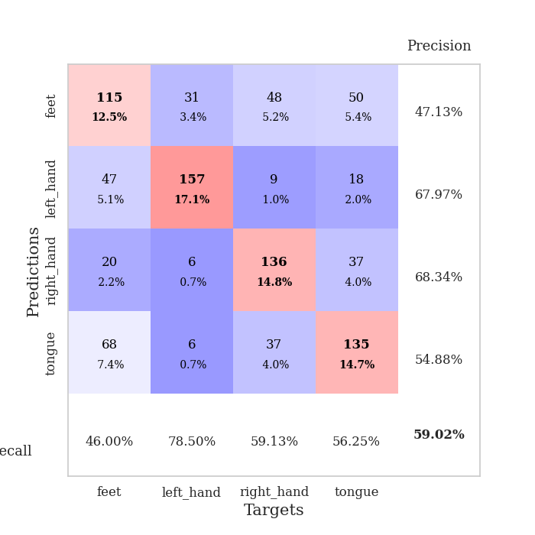
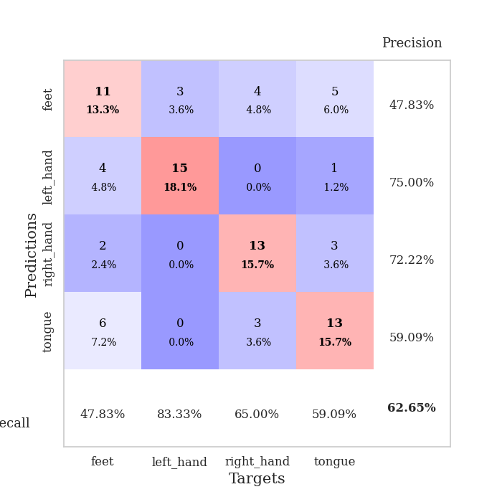
best_val_acc | best_val_los | best_test_acc
0.5652173913 | 1.1681468124 | 0.52586206897
0.59782608696 | 1.2677294534 | 0.53448275862
0.5652173913 | 1.1781754027 | 0.45689655172
0.53260869565 | 1.0685035768 | 0.46551724138
0.52173913043 | 1.1699374811 | 0.43965517241
0.65217391304 | 1.3195627954 | 0.54310344828
0.65217391304 | 1.1486207687 | 0.62068965517
0.61956521739 | 1.3335114614 | 0.5775862069
0.64130434783 | 1.3773738405 | 0.55172413793
0.55434782609 | 1.2566960998 | 0.54310344828

Mean,std Val accuracy is 0.5902173913043478 , 0.049160672153871716 and mean, std test accuracy is 0.5258620689655172 , 0.0566026310448052

Sheet1
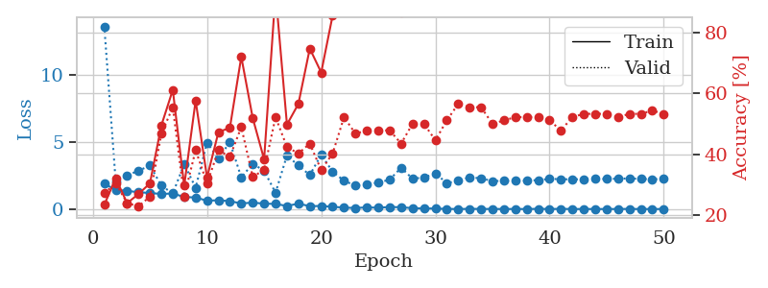
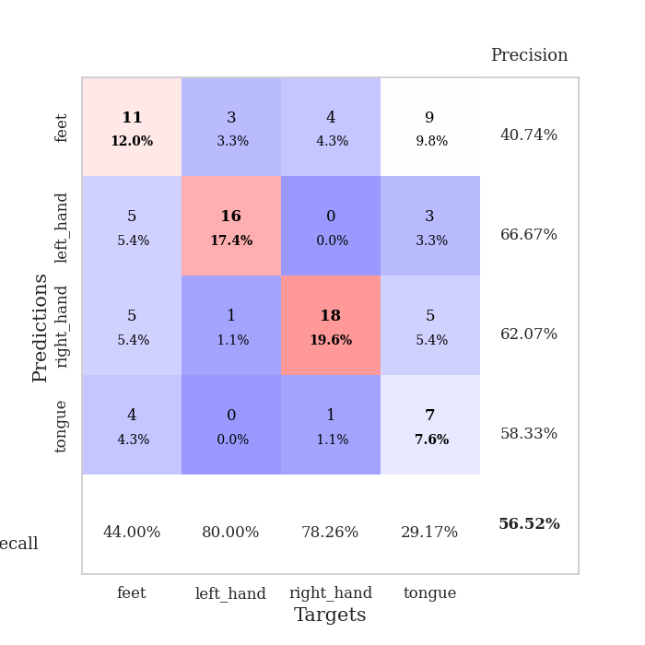
train_loss | valid_loss | train_accuracy | valid_accuracy | dur | train_misclass | valid_misclass
1.8974601238 | 13.651226956 | 0.23369565217 | 0.27173913043 | 1.1541581154 | 23.369565217 | 27.173913043
1.4362216618 | 2.0442165603 | 0.32065217391 | 0.30434782609 | 1.1471643448 | 32.065217391 | 30.434782609
1.3677818205 | 2.5285183865 | 0.23913043478 | 0.23913043478 | 1.1460828781 | 23.913043478 | 23.913043478
1.2529798694 | 2.8614300956 | 0.26902173913 | 0.22826086957 | 1.1502015591 | 26.902173913 | 22.826086957
1.2068703356 | 3.2574876495 | 0.30434782609 | 0.26086956522 | 1.1502513885 | 30.434782609 | 26.086956522
1.1264563825 | 1.7510393288 | 0.49456521739 | 0.46739130435 | 1.1500239372 | 49.456521739 | 46.739130435
1.1698894293 | 1.1681468124 | 0.61141304348 | 0.55434782609 | 1.1508653164 | 61.141304348 | 55.434782609
0.90025181874 | 3.3631346951 | 0.29619565217 | 0.26086956522 | 1.1498622894 | 29.619565217 | 26.086956522
0.86835618382 | 1.5980604576 | 0.57608695652 | 0.41304347826 | 1.1508800983 | 57.608695652 | 41.304347826
0.62437959858 | 4.9555008722 | 0.32336956522 | 0.30434782609 | 1.1501011848 | 32.336956522 | 30.434782609
0.66280723655 | 3.7940557418 | 0.47282608696 | 0.41304347826 | 1.1497857571 | 47.282608696 | 41.304347826
0.59114801689 | 4.99997253 | 0.48641304348 | 0.39130434783 | 1.15031147 | 48.641304348 | 39.130434783
0.42208982097 | 2.3677971674 | 0.72010869565 | 0.48913043478 | 1.1510939598 | 72.010869565 | 48.913043478
0.48443775527 | 3.3887134324 | 0.51902173913 | 0.32608695652 | 1.1496520042 | 51.902173913 | 32.608695652
0.40537794582 | 2.8621864941 | 0.38315217391 | 0.34782608696 | 1.1505336761 | 38.315217391 | 34.782608696
0.38661949984 | 1.218325094 | 0.93206521739 | 0.52173913043 | 1.1504015923 | 93.206521739 | 52.173913043
0.23114453677 | 4.0116889788 | 0.4972826087 | 0.42391304348 | 1.1497604847 | 49.72826087 | 42.391304348
0.40905364085 | 3.2526415742 | 0.5652173913 | 0.40217391304 | 1.1509599686 | 56.52173913 | 40.217391304
0.21572195641 | 2.5444292504 | 0.7472826087 | 0.4347826087 | 1.1505458355 | 74.72826087 | 43.47826087
0.23410566686 | 4.0580975076 | 0.66847826087 | 0.34782608696 | 1.1508283615 | 66.847826087 | 34.782608696
0.17123613814 | 2.7987866402 | 0.85597826087 | 0.40217391304 | 1.1508431435 | 85.597826087 | 40.217391304
0.11021399919 | 2.116226585 | 0.98913043478 | 0.52173913043 | 1.1504688263 | 98.913043478 | 52.173913043
0.082700420212 | 1.7528485578 | 1 | 0.46739130435 | 1.1506597996 | 100 | 46.739130435
0.12814108784 | 1.8784823055 | 0.98641304348 | 0.47826086957 | 1.151140213 | 98.641304348 | 47.826086957
0.10375129549 | 1.9642386125 | 0.98641304348 | 0.47826086957 | 1.1506693363 | 98.641304348 | 47.826086957
0.15584927109 | 2.2058493469 | 0.9347826087 | 0.47826086957 | 1.1504406929 | 93.47826087 | 47.826086957
0.13843718746 | 3.0902865037 | 0.86684782609 | 0.4347826087 | 1.1514523029 | 86.684782609 | 43.47826087
0.071149839736 | 2.2715976238 | 0.97010869565 | 0.5 | 1.1509857178 | 97.010869565 | 50
0.049267148184 | 2.3584033925 | 0.98369565217 | 0.5 | 1.1514182091 | 98.369565217 | 50
0.043235839851 | 2.6655578302 | 0.97010869565 | 0.44565217391 | 1.1518421173 | 97.010869565 | 44.565217391
0.012700603384 | 1.9448198443 | 1 | 0.51086956522 | 1.150942564 | 100 | 51.086956522
0.006961849918 | 2.1059180654 | 1 | 0.5652173913 | 1.1516599655 | 100 | 56.52173913
0.016114877517 | 2.3818727162 | 1 | 0.55434782609 | 1.1514327526 | 100 | 55.434782609
0.013280905328 | 2.2943434612 | 1 | 0.55434782609 | 1.1508522034 | 100 | 55.434782609
0.0077806461132 | 2.0979268551 | 1 | 0.5 | 1.1516890526 | 100 | 50
0.0078599433511 | 2.1032007311 | 1 | 0.51086956522 | 1.1513569355 | 100 | 51.086956522
0.0068431225043 | 2.123539313 | 1 | 0.52173913043 | 1.1522316933 | 100 | 52.173913043
0.0054990485204 | 2.1233967283 | 1 | 0.52173913043 | 1.1516602039 | 100 | 52.173913043
0.018049267162 | 2.1661794911 | 1 | 0.52173913043 | 1.1529381275 | 100 | 52.173913043
0.0074569475128 | 2.2544351972 | 1 | 0.51086956522 | 1.151406765 | 100 | 51.086956522
0.016330231666 | 2.2393855738 | 1 | 0.47826086957 | 1.1519918442 | 100 | 47.826086957
0.0060819801495 | 2.2158466837 | 1 | 0.52173913043 | 1.151299715 | 100 | 52.173913043
0.0047068005154 | 2.243051757 | 1 | 0.53260869565 | 1.1514809132 | 100 | 53.260869565
0.0072616415994 | 2.2616267101 | 1 | 0.53260869565 | 1.1524209976 | 100 | 53.260869565
0.003676302645 | 2.2449872701 | 1 | 0.53260869565 | 1.1529436111 | 100 | 53.260869565
0.0078818380742 | 2.2732051455 | 1 | 0.52173913043 | 1.1518514156 | 100 | 52.173913043
0.012159322564 | 2.2902692194 | 1 | 0.53260869565 | 1.1521089077 | 100 | 53.260869565
0.0044978843627 | 2.2557102286 | 1 | 0.53260869565 | 1.1524469852 | 100 | 53.260869565
0.0046052613015 | 2.2322262163 | 1 | 0.54347826087 | 1.1522464752 | 100 | 54.347826087
0.0054661097516 | 2.2493912966 | 1 | 0.53260869565 | 1.1530253887 | 100 | 53.260869565

Best Val accuracy is 0.5652173913043478 and Best test accuracy is 0.5258620689655172

Sheet2
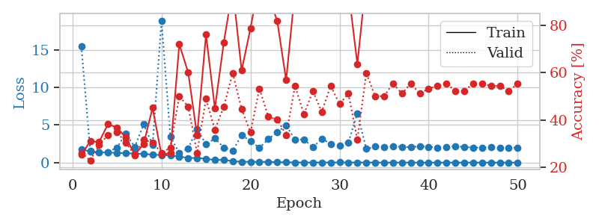
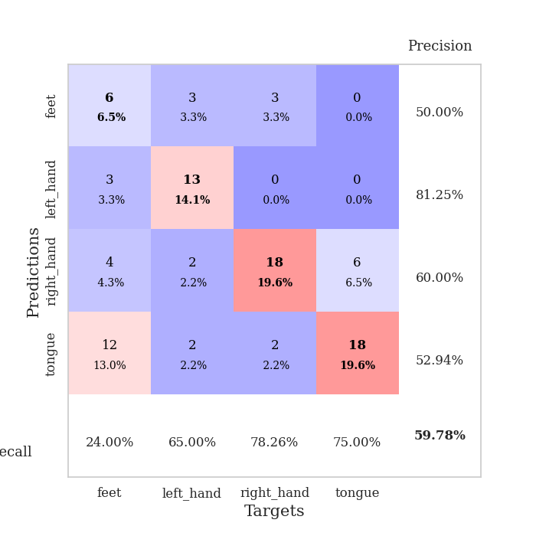
train_loss | valid_loss | train_accuracy | valid_accuracy | dur | train_misclass | valid_misclass
1.8106908021 | 15.484985683 | 0.2527173913 | 0.26086956522 | 1.1510124207 | 25.27173913 | 26.086956522
1.4540536196 | 1.545791911 | 0.3097826087 | 0.22826086957 | 1.1491613388 | 30.97826087 | 22.826086957
1.3764051303 | 1.4174398806 | 0.30706521739 | 0.29347826087 | 1.1507441998 | 30.706521739 | 29.347826087
1.3406860828 | 1.3965042778 | 0.38315217391 | 0.33695652174 | 1.1508290768 | 38.315217391 | 33.695652174
1.287381592 | 2.0126981061 | 0.36684782609 | 0.34782608696 | 1.1509945393 | 36.684782609 | 34.782608696
1.2607912654 | 3.8724026887 | 0.32608695652 | 0.30434782609 | 1.1504423618 | 32.608695652 | 30.434782609
1.2040760439 | 2.0716680858 | 0.2527173913 | 0.25 | 1.1497678757 | 25.27173913 | 25
1.1559145243 | 5.1081448534 | 0.29891304348 | 0.3152173913 | 1.1507773399 | 29.891304348 | 31.52173913
1.0598767192 | 2.3608073048 | 0.45108695652 | 0.30434782609 | 1.1502976418 | 45.108695652 | 30.434782609
1.0099690297 | 18.924049543 | 0.2527173913 | 0.26086956522 | 1.1503813267 | 25.27173913 | 26.086956522
0.94377953592 | 3.4471873304 | 0.26086956522 | 0.28260869565 | 1.1507925987 | 26.086956522 | 28.260869565
0.79834605041 | 1.2677294534 | 0.72010869565 | 0.5 | 1.152132988 | 72.010869565 | 50
0.61372475132 | 1.8966675582 | 0.60054347826 | 0.45652173913 | 1.1523659229 | 60.054347826 | 45.652173913
0.61988232317 | 4.4986065574 | 0.33423913043 | 0.26086956522 | 1.1510641575 | 33.423913043 | 26.086956522
0.5030807788 | 2.4162563656 | 0.76086956522 | 0.48913043478 | 1.1515636444 | 76.086956522 | 48.913043478
0.34482116252 | 3.228266291 | 0.44836956522 | 0.35869565217 | 1.1504752636 | 44.836956522 | 35.869565217
0.37158371864 | 1.9891874946 | 0.72826086957 | 0.45652173913 | 1.1511182785 | 72.826086957 | 45.652173913
0.17479043551 | 1.5954535422 | 0.95652173913 | 0.59782608696 | 1.1514110565 | 95.652173913 | 59.782608696
0.1234558253 | 3.6511643037 | 0.60869565217 | 0.44565217391 | 1.1522789001 | 60.869565217 | 44.565217391
0.106508511 | 2.86984878 | 0.78804347826 | 0.34782608696 | 1.1502690315 | 78.804347826 | 34.782608696
0.099377797269 | 1.9709898078 | 0.98913043478 | 0.53260869565 | 1.1506860256 | 98.913043478 | 53.260869565
0.10142794353 | 3.1300710492 | 0.92391304348 | 0.41304347826 | 1.1508510113 | 92.391304348 | 41.304347826
0.046615879699 | 4.0638818119 | 0.81793478261 | 0.40217391304 | 1.1525578499 | 81.793478261 | 40.217391304
0.044352674918 | 4.9702740338 | 0.56793478261 | 0.33695652174 | 1.1506180763 | 56.793478261 | 33.695652174
0.024275139966 | 3.0245939286 | 0.94836956522 | 0.54347826087 | 1.1526777744 | 94.836956522 | 54.347826087
0.021793327332 | 3.095365234 | 0.95652173913 | 0.42391304348 | 1.1518645287 | 95.652173913 | 42.391304348
0.010263747353 | 2.0213187104 | 1 | 0.52173913043 | 1.1549174786 | 100 | 52.173913043
0.024084218423 | 3.1948859899 | 0.9375 | 0.4347826087 | 1.1523087025 | 93.75 | 43.47826087
0.014849650251 | 2.5057976298 | 0.99456521739 | 0.54347826087 | 1.1535270214 | 99.456521739 | 54.347826087
0.025945060881 | 2.2505164924 | 0.9972826087 | 0.46739130435 | 1.1517231464 | 99.72826087 | 46.739130435
0.024744689399 | 2.7053362494 | 0.94565217391 | 0.51086956522 | 1.1521165371 | 94.565217391 | 51.086956522
0.017913920177 | 6.5783819116 | 0.63586956522 | 0.3152173913 | 1.1519412994 | 63.586956522 | 31.52173913
0.01516576165 | 1.817931424 | 1 | 0.59782608696 | 1.1520178318 | 100 | 59.782608696
0.012341070971 | 2.1174274735 | 1 | 0.5 | 1.1521027088 | 100 | 50
0.0063285740072 | 2.0758039848 | 1 | 0.5 | 1.152338028 | 100 | 50
0.0056367475481 | 2.1727973067 | 1 | 0.55434782609 | 1.1520302296 | 100 | 55.434782609
0.0064564444335 | 2.0962852654 | 1 | 0.51086956522 | 1.15189147 | 100 | 51.086956522
0.0052790991562 | 2.057569623 | 1 | 0.55434782609 | 1.152494669 | 100 | 55.434782609
0.0054009804621 | 2.1805665959 | 1 | 0.51086956522 | 1.1523787975 | 100 | 51.086956522
0.0019211785421 | 2.0981581729 | 1 | 0.53260869565 | 1.1529374123 | 100 | 53.260869565
0.0034202163591 | 2.0114161839 | 1 | 0.54347826087 | 1.1520314217 | 100 | 54.347826087
0.002498697883 | 2.0609585669 | 1 | 0.55434782609 | 1.1524319649 | 100 | 55.434782609
0.0051575730322 | 2.2075893827 | 1 | 0.52173913043 | 1.151932478 | 100 | 52.173913043
0.0019128970434 | 2.076442988 | 1 | 0.52173913043 | 1.1530425549 | 100 | 52.173913043
0.0062393400389 | 2.0088667559 | 1 | 0.55434782609 | 1.1530721188 | 100 | 55.434782609
0.0049789384369 | 1.9974700212 | 1 | 0.55434782609 | 1.1528699398 | 100 | 55.434782609
0.0012479204186 | 2.0396514198 | 1 | 0.54347826087 | 1.1516535282 | 100 | 54.347826087
0.0017876117481 | 2.0048506208 | 1 | 0.54347826087 | 1.1528687477 | 100 | 54.347826087
0.0030853354553 | 1.9936795105 | 1 | 0.52173913043 | 1.152359724 | 100 | 52.173913043
0.0014356175221 | 1.9692294261 | 1 | 0.55434782609 | 1.1533257961 | 100 | 55.434782609

Best Val accuracy is 0.5978260869565217 and Best test accuracy is 0.5344827586206896

Sheet3
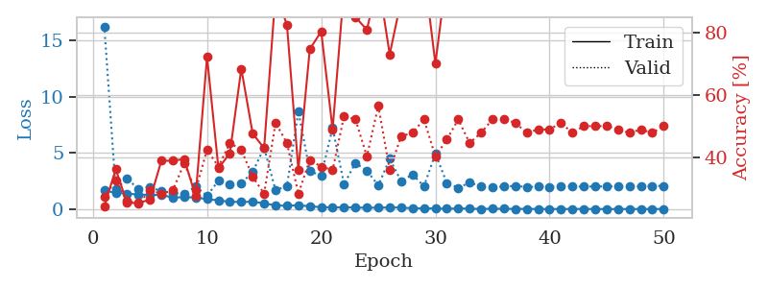
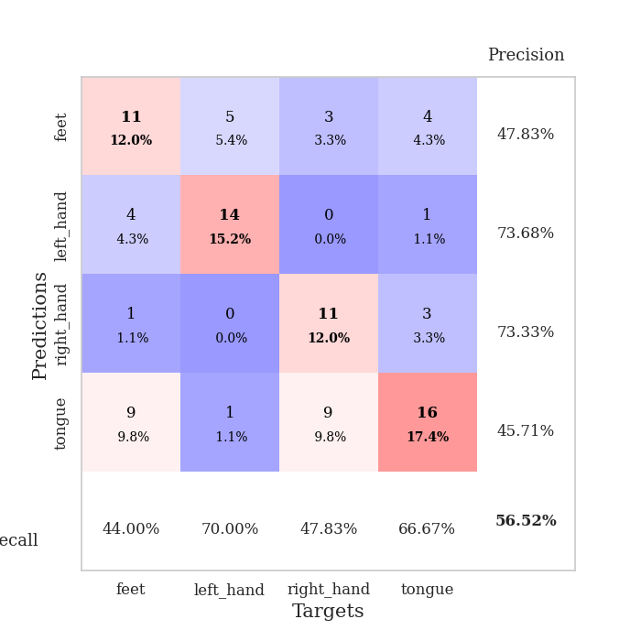
train_loss | valid_loss | train_accuracy | valid_accuracy | dur | train_misclass | valid_misclass
1.6601622571 | 16.24918494 | 0.24184782609 | 0.27173913043 | 1.1544961929 | 24.184782609 | 27.173913043
1.434960018 | 1.7651433271 | 0.36141304348 | 0.32608695652 | 1.1495218277 | 36.141304348 | 32.608695652
1.387015322 | 2.6978314234 | 0.2527173913 | 0.26086956522 | 1.1499183178 | 25.27173913 | 26.086956522
1.2780212423 | 1.7727322941 | 0.2527173913 | 0.25 | 1.1501624584 | 25.27173913 | 25
1.2713805489 | 1.9840102144 | 0.26358695652 | 0.29347826087 | 1.1501357555 | 26.358695652 | 29.347826087
1.2452134257 | 1.5728175744 | 0.38858695652 | 0.28260869565 | 1.1521873474 | 38.858695652 | 28.260869565
1.0357915008 | 1.4367807896 | 0.38858695652 | 0.29347826087 | 1.1509182453 | 38.858695652 | 29.347826087
1.0497103204 | 1.3672450263 | 0.39402173913 | 0.38043478261 | 1.1501846313 | 39.402173913 | 38.043478261
1.0404446747 | 1.9967349405 | 0.27445652174 | 0.29347826087 | 1.1520478725 | 27.445652174 | 29.347826087
0.87756586075 | 1.1781754027 | 0.72282608696 | 0.42391304348 | 1.149876833 | 72.282608696 | 42.391304348
0.77089942279 | 2.5204868006 | 0.36413043478 | 0.36956521739 | 1.1507825851 | 36.413043478 | 36.956521739
0.64392587413 | 2.2329866782 | 0.41304347826 | 0.44565217391 | 1.1505270004 | 41.304347826 | 44.565217391
0.63134434171 | 2.2860662419 | 0.6847826087 | 0.42391304348 | 1.1529195309 | 68.47826087 | 42.391304348
0.65288690186 | 3.2998550042 | 0.47554347826 | 0.33695652174 | 1.1498010159 | 47.554347826 | 33.695652174
0.50660075312 | 5.4566402435 | 0.42934782609 | 0.28260869565 | 1.1504125595 | 42.934782609 | 28.260869565
0.32958980974 | 1.6696227426 | 0.92663043478 | 0.51086956522 | 1.1506779194 | 92.663043478 | 51.086956522
0.28402897748 | 2.0584678546 | 0.82608695652 | 0.44565217391 | 1.1516587734 | 82.608695652 | 44.565217391
0.34545354383 | 8.6784725604 | 0.35869565217 | 0.28260869565 | 1.1509988308 | 35.869565217 | 28.260869565
0.23960182071 | 3.367460624 | 0.7472826087 | 0.39130434783 | 1.1506559849 | 74.72826087 | 39.130434783
0.17080410424 | 2.9789784473 | 0.80434782609 | 0.36956521739 | 1.1508436203 | 80.434782609 | 36.956521739
0.14258232494 | 7.2249988058 | 0.48913043478 | 0.35869565217 | 1.1512787342 | 48.913043478 | 35.869565217
0.16069903403 | 2.195053453 | 0.94565217391 | 0.53260869565 | 1.1509113312 | 94.565217391 | 53.260869565
0.13077240194 | 4.1075972578 | 0.85054347826 | 0.52173913043 | 1.1508157253 | 85.054347826 | 52.173913043
0.12311820803 | 3.4106845026 | 0.8097826087 | 0.40217391304 | 1.1504642963 | 80.97826087 | 40.217391304
0.12372788552 | 2.0992971711 | 0.96739130435 | 0.5652173913 | 1.1516232491 | 96.739130435 | 56.52173913
0.14480929281 | 4.4641554563 | 0.73097826087 | 0.35869565217 | 1.1508705616 | 73.097826087 | 35.869565217
0.13173550554 | 2.4733244543 | 0.90489130435 | 0.46739130435 | 1.150257349 | 90.489130435 | 46.739130435
0.069015809578 | 3.0811887409 | 0.96739130435 | 0.47826086957 | 1.151809454 | 96.739130435 | 47.826086957
0.064851944234 | 2.0248643004 | 1 | 0.52173913043 | 1.1508724689 | 100 | 52.173913043
0.054774193842 | 4.9257889416 | 0.70108695652 | 0.40217391304 | 1.1518104076 | 70.108695652 | 40.217391304
0.026998890837 | 2.3263079291 | 0.98913043478 | 0.45652173913 | 1.1518135071 | 98.913043478 | 45.652173913
0.056520848031 | 1.8904533179 | 1 | 0.52173913043 | 1.1520791054 | 100 | 52.173913043
0.036824860681 | 2.3519392428 | 0.98369565217 | 0.44565217391 | 1.1512970924 | 98.369565217 | 44.565217391
0.012511995651 | 2.0255518271 | 1 | 0.47826086957 | 1.1527819633 | 100 | 47.826086957
0.026248234775 | 1.9645375713 | 1 | 0.52173913043 | 1.1518042088 | 100 | 52.173913043
0.026177116872 | 1.9986271858 | 1 | 0.52173913043 | 1.1529896259 | 100 | 52.173913043
0.014597178417 | 2.0660077437 | 1 | 0.51086956522 | 1.1525146961 | 100 | 51.086956522
0.020107227652 | 1.9629431911 | 1 | 0.47826086957 | 1.1534216404 | 100 | 47.826086957
0.007222481511 | 2.0005270269 | 1 | 0.48913043478 | 1.1514706612 | 100 | 48.913043478
0.0041432400543 | 1.9781780036 | 1 | 0.48913043478 | 1.15152812 | 100 | 48.913043478
0.0058876669386 | 2.0147999059 | 1 | 0.51086956522 | 1.1519041061 | 100 | 51.086956522
0.0056114823699 | 2.0093007088 | 1 | 0.47826086957 | 1.1516680717 | 100 | 47.826086957
0.012777138026 | 1.9889531265 | 1 | 0.5 | 1.1534385681 | 100 | 50
0.0021794753892 | 2.0150115568 | 1 | 0.5 | 1.1507952213 | 100 | 50
0.0043532409732 | 2.0051500072 | 1 | 0.5 | 1.1504845619 | 100 | 50
0.0026148675065 | 2.0240716364 | 1 | 0.48913043478 | 1.151227951 | 100 | 48.913043478
0.0023073608615 | 2.017506615 | 1 | 0.47826086957 | 1.1515038013 | 100 | 47.826086957
0.0062728345738 | 2.0294494655 | 1 | 0.48913043478 | 1.1511387825 | 100 | 48.913043478
0.0034773660445 | 2.0595218358 | 1 | 0.47826086957 | 1.1517345905 | 100 | 47.826086957
0.0070467995089 | 2.0535451407 | 1 | 0.5 | 1.1520707607 | 100 | 50

Best Val accuracy is 0.5652173913043478 and Best test accuracy is 0.45689655172413796

Sheet4
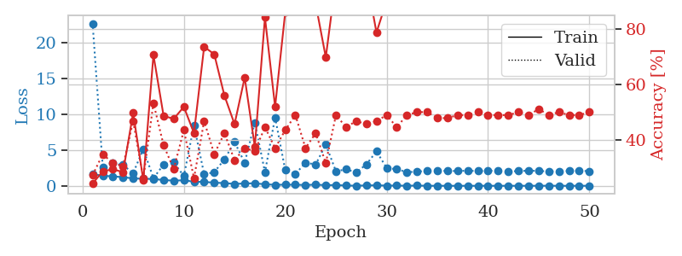
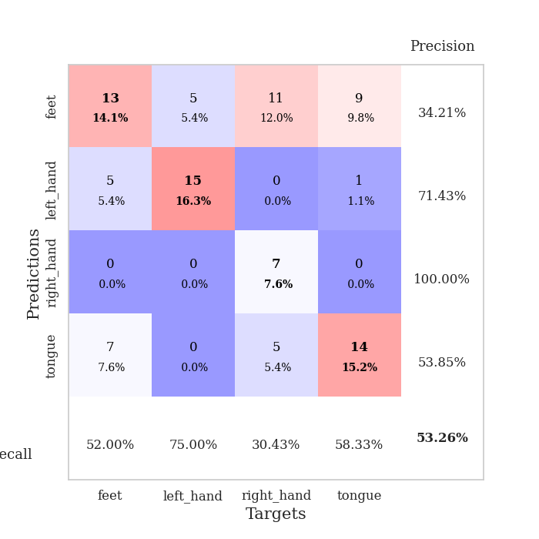
train_loss | valid_loss | train_accuracy | valid_accuracy | dur | train_misclass | valid_misclass
1.6413766509 | 22.7062329 | 0.24184782609 | 0.27173913043 | 1.1510839462 | 24.184782609 | 27.173913043
1.412880514 | 2.6381783641 | 0.28532608696 | 0.34782608696 | 1.1484425068 | 28.532608696 | 34.782608696
1.320881403 | 3.1508286518 | 0.29347826087 | 0.3152173913 | 1.1482954025 | 29.347826087 | 31.52173913
1.2189661549 | 2.8960036713 | 0.28260869565 | 0.30434782609 | 1.1493382454 | 28.260869565 | 30.434782609
1.0287716933 | 1.7813017472 | 0.4972826087 | 0.46739130435 | 1.1498336792 | 49.72826087 | 46.739130435
0.99460614764 | 5.152905402 | 0.2527173913 | 0.26086956522 | 1.1507923603 | 25.27173913 | 26.086956522
0.95687706185 | 1.0685035768 | 0.70652173913 | 0.53260869565 | 1.1488218307 | 70.652173913 | 53.260869565
0.80592202492 | 2.9738293109 | 0.48641304348 | 0.38043478261 | 1.1500439644 | 48.641304348 | 38.043478261
0.7246867211 | 3.2646107466 | 0.47554347826 | 0.29347826087 | 1.1494450569 | 47.554347826 | 29.347826087
0.77884460532 | 1.3740928121 | 0.51902173913 | 0.4347826087 | 1.1491756439 | 51.902173913 | 43.47826087
0.57289581973 | 8.4674229415 | 0.42391304348 | 0.26086956522 | 1.1496121883 | 42.391304348 | 26.086956522
0.55364300635 | 1.6150068874 | 0.73641304348 | 0.46739130435 | 1.148922205 | 73.641304348 | 46.739130435
0.43751239971 | 1.9091197304 | 0.70923913043 | 0.34782608696 | 1.1484825611 | 70.923913043 | 34.782608696
0.38543328967 | 3.7005118391 | 0.5597826087 | 0.42391304348 | 1.1491937637 | 55.97826087 | 42.391304348
0.26686704126 | 6.1279495488 | 0.45652173913 | 0.32608695652 | 1.1487390995 | 45.652173913 | 32.608695652
0.33350612555 | 3.2332413508 | 0.625 | 0.36956521739 | 1.1511986256 | 62.5 | 36.956521739
0.35349190753 | 8.8541618015 | 0.375 | 0.35869565217 | 1.1502830982 | 37.5 | 35.869565217
0.21724131371 | 1.9002627186 | 0.84239130435 | 0.44565217391 | 1.1502857208 | 84.239130435 | 44.565217391
0.146931407 | 9.5725551274 | 0.51902173913 | 0.36956521739 | 1.1504557133 | 51.902173913 | 36.956521739
0.15875729789 | 2.2029795854 | 0.86141304348 | 0.4347826087 | 1.1508033276 | 86.141304348 | 43.47826087
0.1541784099 | 1.6554064906 | 0.9375 | 0.48913043478 | 1.1509366035 | 93.75 | 48.913043478
0.11670899193 | 3.2265798216 | 0.91304347826 | 0.36956521739 | 1.1507813931 | 91.304347826 | 36.956521739
0.16735110245 | 2.9911473523 | 0.89130434783 | 0.42391304348 | 1.1511433125 | 89.130434783 | 42.391304348
0.094437742748 | 5.771824816 | 0.69836956522 | 0.3152173913 | 1.1505699158 | 69.836956522 | 31.52173913
0.11278934129 | 2.0400886536 | 0.98097826087 | 0.48913043478 | 1.1518204212 | 98.097826087 | 48.913043478
0.040512044448 | 2.3021638082 | 0.9972826087 | 0.44565217391 | 1.1510646343 | 99.72826087 | 44.565217391
0.020380211356 | 1.8842747315 | 1 | 0.46739130435 | 1.1507434845 | 100 | 46.739130435
0.054894809955 | 2.9907531324 | 0.98913043478 | 0.45652173913 | 1.1517782211 | 98.913043478 | 45.652173913
0.076202744395 | 4.8222328062 | 0.78804347826 | 0.46739130435 | 1.1512386799 | 78.804347826 | 46.739130435
0.030411691172 | 2.5090952231 | 0.90217391304 | 0.48913043478 | 1.1513953209 | 90.217391304 | 48.913043478
0.035672916768 | 2.3110080024 | 0.99456521739 | 0.44565217391 | 1.1514778137 | 99.456521739 | 44.565217391
0.015615028613 | 1.9170892187 | 1 | 0.48913043478 | 1.1512947083 | 100 | 48.913043478
0.038828283394 | 1.9729334116 | 1 | 0.5 | 1.1518063545 | 100 | 50
0.0064867663946 | 2.1161786266 | 1 | 0.5 | 1.1511206627 | 100 | 50
0.008646334729 | 2.1041445628 | 1 | 0.47826086957 | 1.1521673203 | 100 | 47.826086957
0.0061971279299 | 2.0855623846 | 1 | 0.47826086957 | 1.1517009735 | 100 | 47.826086957
0.0040365269897 | 2.0698785989 | 1 | 0.48913043478 | 1.1523625851 | 100 | 48.913043478
0.0052442128628 | 2.119218733 | 1 | 0.48913043478 | 1.1517567635 | 100 | 48.913043478
0.0034975297914 | 2.0610427442 | 1 | 0.5 | 1.1522140503 | 100 | 50
0.010638079733 | 2.1084179567 | 1 | 0.48913043478 | 1.1524643898 | 100 | 48.913043478
0.0030008039738 | 2.1045472415 | 1 | 0.48913043478 | 1.1520004272 | 100 | 48.913043478
0.006785452171 | 2.0076709934 | 1 | 0.48913043478 | 1.1519708633 | 100 | 48.913043478
0.0049337407475 | 2.0636191264 | 1 | 0.5 | 1.1521730423 | 100 | 50
0.0099412516334 | 2.1155655591 | 1 | 0.48913043478 | 1.1519317627 | 100 | 48.913043478
0.008962602869 | 2.0868406296 | 1 | 0.51086956522 | 1.1520037651 | 100 | 51.086956522
0.013805464828 | 2.0142369944 | 1 | 0.48913043478 | 1.1517617702 | 100 | 48.913043478
0.0043650901137 | 2.0499739543 | 1 | 0.5 | 1.1519489288 | 100 | 50
0.0035255088771 | 2.0705796843 | 1 | 0.48913043478 | 1.1528639793 | 100 | 48.913043478
0.0067065463145 | 2.1114902185 | 1 | 0.48913043478 | 1.1527192593 | 100 | 48.913043478
0.0080023538916 | 2.0539953501 | 1 | 0.5 | 1.1516461372 | 100 | 50

Best Val accuracy is 0.532608695652174 and Best test accuracy is 0.46551724137931033

Sheet5
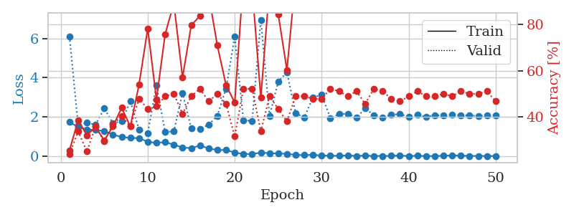
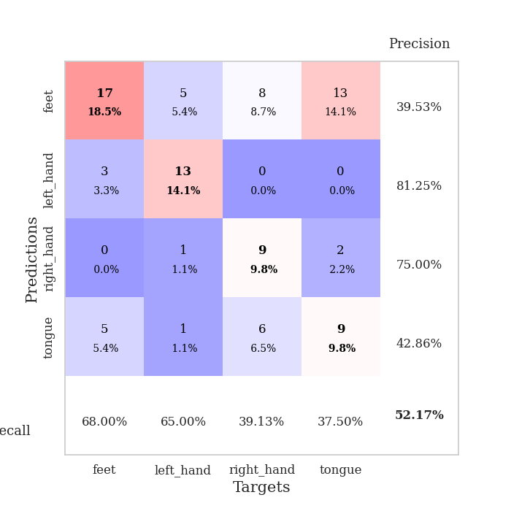
train_loss | valid_loss | train_accuracy | valid_accuracy | dur | train_misclass | valid_misclass
1.7410345751 | 6.1110770599 | 0.25543478261 | 0.23913043478 | 1.1538517475 | 25.543478261 | 23.913043478
1.478258532 | 1.5721660645 | 0.38586956522 | 0.33695652174 | 1.1487631798 | 38.586956522 | 33.695652174
1.3640906137 | 1.6956784311 | 0.32065217391 | 0.25 | 1.1485791206 | 32.065217391 | 25
1.3294245419 | 1.6043042515 | 0.35597826087 | 0.35869565217 | 1.1513895988 | 35.597826087 | 35.869565217
1.2832279335 | 2.431424965 | 0.29891304348 | 0.29347826087 | 1.1495029926 | 29.891304348 | 29.347826087
1.0992246633 | 1.6780058871 | 0.35869565217 | 0.36956521739 | 1.1494586468 | 35.869565217 | 36.956521739
0.97512018681 | 1.7781367509 | 0.4402173913 | 0.40217391304 | 1.1494147778 | 44.02173913 | 40.217391304
0.93008236781 | 2.8010772311 | 0.35869565217 | 0.35869565217 | 1.1494300365 | 35.869565217 | 35.869565217
0.91788568704 | 1.3589458725 | 0.54076086957 | 0.47826086957 | 1.1494934559 | 54.076086957 | 47.826086957
0.73000281531 | 1.1699374811 | 0.78260869565 | 0.4347826087 | 1.1497340202 | 78.260869565 | 43.47826087
0.673140715 | 3.6162386148 | 0.47554347826 | 0.44565217391 | 1.1501951218 | 47.554347826 | 44.565217391
0.72090504221 | 1.2374101152 | 0.75815217391 | 0.48913043478 | 1.150844574 | 75.815217391 | 48.913043478
0.57907268923 | 1.2577810754 | 0.89130434783 | 0.5 | 1.1490712166 | 89.130434783 | 50
0.43945129993 | 3.2235403787 | 0.57065217391 | 0.41304347826 | 1.149292469 | 57.065217391 | 41.304347826
0.40301235733 | 1.4154312922 | 0.79619565217 | 0.48913043478 | 1.1493945122 | 79.619565217 | 48.913043478
0.54489910667 | 1.3990831168 | 0.83695652174 | 0.52173913043 | 1.1488790512 | 83.695652174 | 52.173913043
0.38905606451 | 1.5994059884 | 0.92934782609 | 0.46739130435 | 1.14859128 | 92.934782609 | 46.739130435
0.31288306739 | 2.0558119028 | 0.70923913043 | 0.5 | 1.1486861706 | 70.923913043 | 50
0.30932540479 | 3.4459952375 | 0.53804347826 | 0.45652173913 | 1.1482803822 | 53.804347826 | 45.652173913
0.17739024459 | 6.1061184717 | 0.46195652174 | 0.3152173913 | 1.1483814716 | 46.195652174 | 31.52173913
0.11160372287 | 1.8324344365 | 0.9972826087 | 0.52173913043 | 1.1489841938 | 99.72826087 | 52.173913043
0.10040271679 | 1.7897801451 | 0.95923913043 | 0.52173913043 | 1.1488173008 | 95.923913043 | 52.173913043
0.18136718428 | 6.962836618 | 0.48369565217 | 0.33695652174 | 1.1493930817 | 48.369565217 | 33.695652174
0.14874763754 | 2.0464034702 | 0.96195652174 | 0.48913043478 | 1.1484568119 | 96.195652174 | 48.913043478
0.12848269761 | 3.7961004299 | 0.84510869565 | 0.4347826087 | 1.1485600471 | 84.510869565 | 43.47826087
0.11812772495 | 4.2755965824 | 0.60326086957 | 0.38043478261 | 1.1491296291 | 60.326086957 | 38.043478261
0.061139199923 | 2.1975198414 | 1 | 0.48913043478 | 1.1485261917 | 100 | 48.913043478
0.047768379126 | 1.9718791246 | 0.9972826087 | 0.48913043478 | 1.1497342587 | 99.72826087 | 48.913043478
0.069174375486 | 3.0047212062 | 0.98097826087 | 0.47826086957 | 1.1499080658 | 98.097826087 | 47.826086957
0.026444779172 | 3.1214439973 | 0.95108695652 | 0.47826086957 | 1.1495258808 | 95.108695652 | 47.826086957
0.020565243251 | 1.9414065351 | 1 | 0.52173913043 | 1.149813652 | 100 | 52.173913043
0.01454682266 | 2.1435413672 | 1 | 0.51086956522 | 1.1501510143 | 100 | 51.086956522
0.034215263911 | 2.167435843 | 1 | 0.48913043478 | 1.1497442722 | 100 | 48.913043478
0.0097349133601 | 1.9721475269 | 1 | 0.51086956522 | 1.1502387524 | 100 | 51.086956522
0.023836263073 | 2.426354626 | 1 | 0.45652173913 | 1.1502947807 | 100 | 45.652173913
0.0068948138543 | 2.0926734157 | 1 | 0.52173913043 | 1.1503353119 | 100 | 52.173913043
0.0079050778282 | 1.9695450534 | 1 | 0.51086956522 | 1.151206255 | 100 | 51.086956522
0.011828888187 | 2.1171227642 | 1 | 0.47826086957 | 1.1502497196 | 100 | 47.826086957
0.026135516428 | 2.1365942229 | 1 | 0.46739130435 | 1.1507520676 | 100 | 46.739130435
0.0059210867279 | 2.0135249159 | 1 | 0.48913043478 | 1.1511969566 | 100 | 48.913043478
0.012752491977 | 2.1032448126 | 1 | 0.51086956522 | 1.1509225368 | 100 | 51.086956522
0.0043740459014 | 1.9993312773 | 1 | 0.48913043478 | 1.1513183117 | 100 | 48.913043478
0.0022432547855 | 2.0927099663 | 1 | 0.48913043478 | 1.1505644321 | 100 | 48.913043478
0.014857721315 | 2.0625462843 | 1 | 0.5 | 1.1512904167 | 100 | 50
0.034817054496 | 2.1277217347 | 1 | 0.48913043478 | 1.1506867409 | 100 | 48.913043478
0.021665168255 | 2.0749743399 | 1 | 0.51086956522 | 1.1511585712 | 100 | 51.086956522
0.0090774070742 | 2.0647618667 | 1 | 0.5 | 1.1509668827 | 100 | 50
0.0093372263844 | 2.0554897785 | 1 | 0.5 | 1.1515955925 | 100 | 50
0.0034066633626 | 2.0666739526 | 1 | 0.51086956522 | 1.1514005661 | 100 | 51.086956522
0.0048747774525 | 2.0683426131 | 1 | 0.46739130435 | 1.1501557827 | 100 | 46.739130435

Best Val accuracy is 0.5217391304347826 and Best test accuracy is 0.4396551724137931

Sheet6
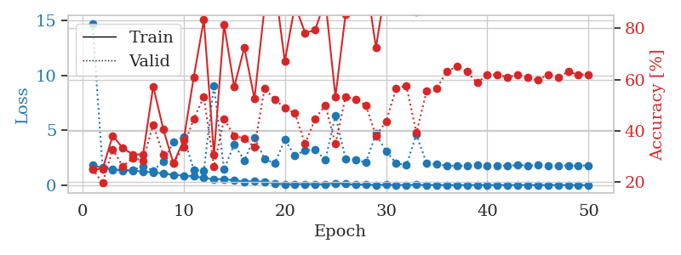
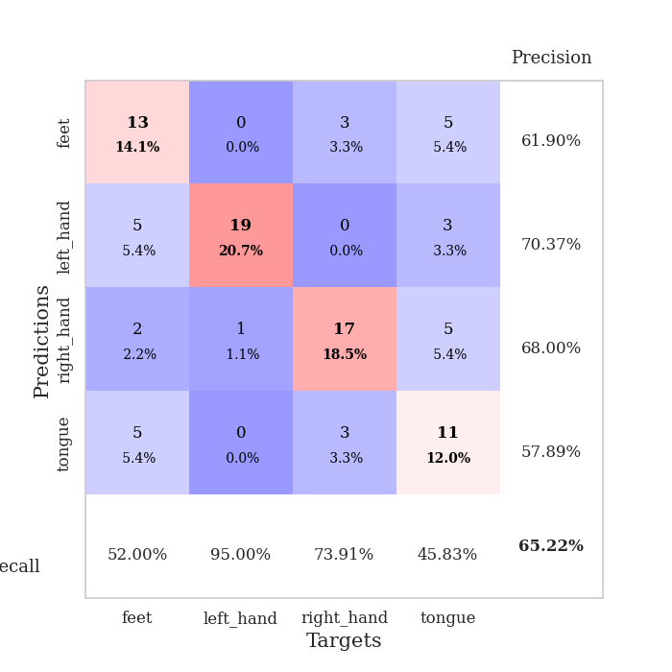
train_loss | valid_loss | train_accuracy | valid_accuracy | dur | train_misclass | valid_misclass
1.85645303 | 14.726118046 | 0.25 | 0.25 | 1.1467380524 | 25 | 25
1.5433748183 | 1.5780234078 | 0.25 | 0.19565217391 | 1.1492726803 | 25 | 19.565217391
1.4388271881 | 1.4169750214 | 0.38043478261 | 0.32608695652 | 1.1503398418 | 38.043478261 | 32.608695652
1.3251475562 | 1.4157812906 | 0.33152173913 | 0.26086956522 | 1.1490702629 | 33.152173913 | 26.086956522
1.3162759698 | 1.3810749261 | 0.30706521739 | 0.29347826087 | 1.148349762 | 30.706521739 | 29.347826087
1.237918833 | 1.7250064974 | 0.30706521739 | 0.28260869565 | 1.1486148834 | 30.706521739 | 28.260869565
1.1726226107 | 1.3195627954 | 0.57336956522 | 0.42391304348 | 1.1486907005 | 57.336956522 | 42.391304348
1.0540233306 | 2.1671405616 | 0.40489130435 | 0.30434782609 | 1.1508805752 | 40.489130435 | 30.434782609
0.93934408996 | 3.9276204835 | 0.27173913043 | 0.27173913043 | 1.1488721371 | 27.173913043 | 27.173913043
0.8633254896 | 4.4023176328 | 0.36141304348 | 0.33695652174 | 1.1496427059 | 36.141304348 | 33.695652174
0.80385950856 | 1.4127071422 | 0.60869565217 | 0.44565217391 | 1.1495566368 | 60.869565217 | 44.565217391
0.6542854931 | 1.3273626074 | 0.83423913043 | 0.53260869565 | 1.150690794 | 83.423913043 | 53.260869565
0.53390823758 | 9.083689814 | 0.30706521739 | 0.26086956522 | 1.1506578922 | 30.706521739 | 26.086956522
0.5642878614 | 1.447140647 | 0.8152173913 | 0.44565217391 | 1.1490240097 | 81.52173913 | 44.565217391
0.42937426658 | 3.7298722267 | 0.57065217391 | 0.38043478261 | 1.1496937275 | 57.065217391 | 38.043478261
0.32776667178 | 2.2427143014 | 0.72554347826 | 0.36956521739 | 1.1492257118 | 72.554347826 | 36.956521739
0.35622358581 | 4.3599459296 | 0.52445652174 | 0.33695652174 | 1.1482305527 | 52.445652174 | 33.695652174
0.30801487261 | 2.3966095344 | 0.88315217391 | 0.5652173913 | 1.1492161751 | 88.315217391 | 56.52173913
0.16423723814 | 1.9670178165 | 0.97554347826 | 0.52173913043 | 1.1499221325 | 97.554347826 | 52.173913043
0.070564570999 | 4.1421712015 | 0.67119565217 | 0.48913043478 | 1.149166584 | 67.119565217 | 48.913043478
0.097499534467 | 2.6740990825 | 0.89130434783 | 0.46739130435 | 1.1487936974 | 89.130434783 | 46.739130435
0.084538783817 | 3.1935782951 | 0.78260869565 | 0.34782608696 | 1.1482686996 | 78.260869565 | 34.782608696
0.097592649566 | 3.225518237 | 0.79347826087 | 0.44565217391 | 1.1495509148 | 79.347826087 | 44.565217391
0.058616197051 | 2.2932745063 | 0.91304347826 | 0.5 | 1.1493973732 | 91.304347826 | 50
0.17252707334 | 6.3278313305 | 0.53260869565 | 0.34782608696 | 1.1496732235 | 53.260869565 | 34.782608696
0.10037796422 | 2.412976011 | 0.85597826087 | 0.53260869565 | 1.1493959427 | 85.597826087 | 53.260869565
0.048058347797 | 2.3445990086 | 0.92391304348 | 0.52173913043 | 1.1508259773 | 92.391304348 | 52.173913043
0.040086930597 | 2.0461696386 | 0.9972826087 | 0.5 | 1.1493930817 | 99.72826087 | 50
0.021415478092 | 4.6815403855 | 0.72554347826 | 0.38043478261 | 1.1499609947 | 72.554347826 | 38.043478261
0.036623287035 | 3.0940799506 | 0.97010869565 | 0.4347826087 | 1.1497573853 | 97.010869565 | 43.47826087
0.02002245308 | 2.0050463003 | 1 | 0.5652173913 | 1.150336504 | 100 | 56.52173913
0.0083935121682 | 1.8178330634 | 1 | 0.57608695652 | 1.1501107216 | 100 | 57.608695652
0.025301206014 | 4.601653493 | 0.86413043478 | 0.39130434783 | 1.1500556469 | 86.413043478 | 39.130434783
0.010024449525 | 1.991093506 | 1 | 0.55434782609 | 1.1506726742 | 100 | 55.434782609
0.018167074957 | 1.8888863377 | 1 | 0.5652173913 | 1.1541099548 | 100 | 56.52173913
0.0075258600662 | 1.7934925971 | 1 | 0.63043478261 | 1.1502346992 | 100 | 63.043478261
0.0073993975023 | 1.7427818464 | 1 | 0.65217391304 | 1.1514396667 | 100 | 65.217391304
0.0054149919382 | 1.7724296373 | 1 | 0.63043478261 | 1.1498045921 | 100 | 63.043478261
0.0051643189648 | 1.8429542495 | 1 | 0.58695652174 | 1.1497135162 | 100 | 58.695652174
0.0025665133131 | 1.7656913944 | 1 | 0.61956521739 | 1.1514976025 | 100 | 61.956521739
0.009059066945 | 1.7634012155 | 1 | 0.61956521739 | 1.150785923 | 100 | 61.956521739
0.0046024224873 | 1.76863172 | 1 | 0.60869565217 | 1.1509475708 | 100 | 60.869565217
0.0074799873894 | 1.8236850967 | 1 | 0.61956521739 | 1.1503710747 | 100 | 61.956521739
0.0051243898482 | 1.7991892747 | 1 | 0.60869565217 | 1.1513261795 | 100 | 60.869565217
0.0070365474005 | 1.8212461264 | 1 | 0.59782608696 | 1.1510057449 | 100 | 59.782608696
0.0090193120869 | 1.8042691376 | 1 | 0.61956521739 | 1.1511151791 | 100 | 61.956521739
0.009315964204 | 1.7764745044 | 1 | 0.60869565217 | 1.151091814 | 100 | 60.869565217
0.0044443185337 | 1.792399282 | 1 | 0.63043478261 | 1.1512711048 | 100 | 63.043478261
0.0028318137224 | 1.7604623955 | 1 | 0.61956521739 | 1.1513206959 | 100 | 61.956521739
0.0040643042138 | 1.8041475389 | 1 | 0.61956521739 | 1.1513233185 | 100 | 61.956521739

Best Val accuracy is 0.6521739130434783 and Best test accuracy is 0.5431034482758621

Sheet7
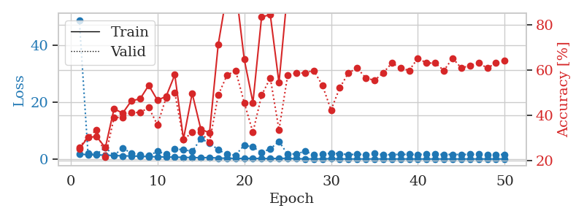
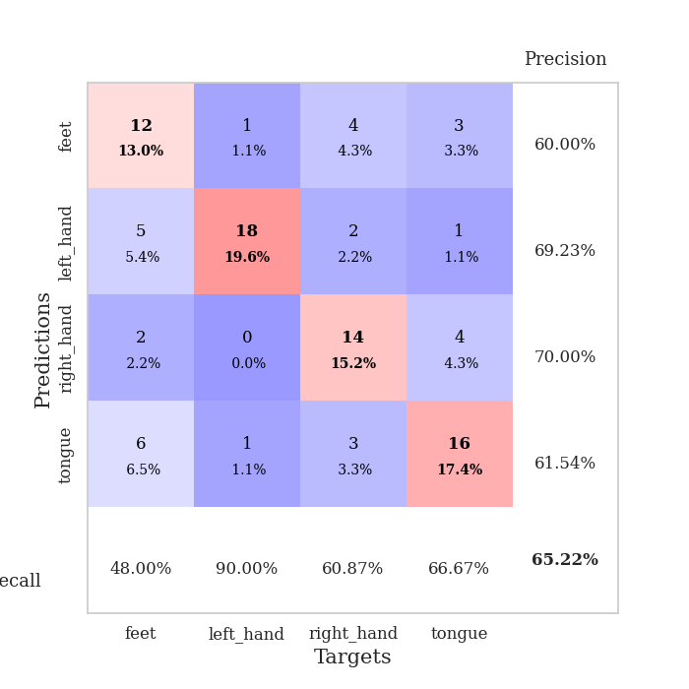
train_loss | valid_loss | train_accuracy | valid_accuracy | dur | train_misclass | valid_misclass
1.7931508396 | 48.872570038 | 0.2527173913 | 0.26086956522 | 1.1513185501 | 25.27173913 | 26.086956522
1.4461136072 | 1.9327903986 | 0.30434782609 | 0.30434782609 | 1.147870779 | 30.434782609 | 30.434782609
1.4177590401 | 1.6959140404 | 0.30706521739 | 0.33695652174 | 1.1504070759 | 30.706521739 | 33.695652174
1.3405128095 | 4.0482810477 | 0.25815217391 | 0.21739130435 | 1.1478688717 | 25.815217391 | 21.739130435
1.2456041108 | 1.208434815 | 0.42934782609 | 0.39130434783 | 1.150780201 | 42.934782609 | 39.130434783
1.0785227029 | 3.9033348871 | 0.41032608696 | 0.39130434783 | 1.1505565643 | 41.032608696 | 39.130434783
1.0614102016 | 1.9169024074 | 0.46467391304 | 0.41304347826 | 1.1505186558 | 46.467391304 | 41.304347826
0.95166070565 | 1.5539280073 | 0.47282608696 | 0.41304347826 | 1.1503303051 | 47.282608696 | 41.304347826
0.80888242177 | 1.1486207687 | 0.53260869565 | 0.4347826087 | 1.1512458324 | 53.260869565 | 43.47826087
0.75583780201 | 2.642830631 | 0.46739130435 | 0.35869565217 | 1.1488647461 | 46.739130435 | 35.869565217
0.68424556955 | 1.6742903409 | 0.48369565217 | 0.47826086957 | 1.1502478123 | 48.369565217 | 47.826086957
0.63948558077 | 3.4420475338 | 0.57880434783 | 0.5 | 1.1492381096 | 57.880434783 | 50
0.55531989945 | 3.302452585 | 0.29619565217 | 0.29347826087 | 1.1496627331 | 29.619565217 | 29.347826087
0.50774672239 | 2.6509151562 | 0.4972826087 | 0.32608695652 | 1.1513504982 | 49.72826087 | 32.608695652
0.42189248878 | 7.0923374632 | 0.33967391304 | 0.32608695652 | 1.1504251957 | 33.967391304 | 32.608695652
0.51165146154 | 5.6166185918 | 0.32336956522 | 0.28260869565 | 1.1508252621 | 32.336956522 | 28.260869565
0.30380957217 | 3.2276653311 | 0.71195652174 | 0.48913043478 | 1.1506590843 | 71.195652174 | 48.913043478
0.26869840952 | 1.6073537598 | 0.9375 | 0.57608695652 | 1.1508126259 | 93.75 | 57.608695652
0.20866871139 | 1.3395823266 | 0.96467391304 | 0.59782608696 | 1.1515450478 | 96.467391304 | 59.782608696
0.18403778088 | 4.8598685472 | 0.64673913043 | 0.45652173913 | 1.1492743492 | 64.673913043 | 45.652173913
0.22276237631 | 4.1773229371 | 0.45652173913 | 0.32608695652 | 1.1506738663 | 45.652173913 | 32.608695652
0.15312758801 | 2.2972854635 | 0.83423913043 | 0.48913043478 | 1.1500864029 | 83.423913043 | 48.913043478
0.13364155902 | 3.562247069 | 0.84239130435 | 0.5652173913 | 1.1496911049 | 84.239130435 | 56.52173913
0.21156202046 | 6.1548206703 | 0.54347826087 | 0.33695652174 | 1.1512787342 | 54.347826087 | 33.695652174
0.23423770402 | 1.6401390718 | 0.95108695652 | 0.57608695652 | 1.1516087055 | 95.108695652 | 57.608695652
0.087976770759 | 1.8253962786 | 1 | 0.58695652174 | 1.150036335 | 100 | 58.695652174
0.044681440715 | 2.6643641202 | 0.97554347826 | 0.58695652174 | 1.1504602432 | 97.554347826 | 58.695652174
0.029360170456 | 1.5720305909 | 0.99456521739 | 0.59782608696 | 1.15097332 | 99.456521739 | 59.782608696
0.047482225234 | 1.7212236031 | 1 | 0.53260869565 | 1.1508834362 | 100 | 53.260869565
0.087548878823 | 2.0123942261 | 0.96739130435 | 0.42391304348 | 1.1512439251 | 96.739130435 | 42.391304348
0.04434902554 | 1.8573809914 | 0.9972826087 | 0.52173913043 | 1.1501250267 | 99.72826087 | 52.173913043
0.010686652527 | 1.517013923 | 1 | 0.58695652174 | 1.1502037048 | 100 | 58.695652174
0.0094250555798 | 1.666427094 | 1 | 0.60869565217 | 1.1504251957 | 100 | 60.869565217
0.010968294362 | 1.5611926317 | 1 | 0.5652173913 | 1.1503453255 | 100 | 56.52173913
0.023085429024 | 1.8768007444 | 1 | 0.55434782609 | 1.1503820419 | 100 | 55.434782609
0.015210652233 | 1.4970983681 | 1 | 0.58695652174 | 1.1512546539 | 100 | 58.695652174
0.0075578962392 | 1.5493482248 | 1 | 0.63043478261 | 1.1516599655 | 100 | 63.043478261
0.0075122264806 | 1.6139968737 | 1 | 0.60869565217 | 1.1505224705 | 100 | 60.869565217
0.020259704094 | 1.6076613043 | 1 | 0.59782608696 | 1.1504087448 | 100 | 59.782608696
0.0071781699763 | 1.5998786273 | 1 | 0.65217391304 | 1.1511981487 | 100 | 65.217391304
0.0045992200157 | 1.6660152311 | 1 | 0.63043478261 | 1.1499302387 | 100 | 63.043478261
0.0051559712232 | 1.6488527578 | 1 | 0.63043478261 | 1.1502919197 | 100 | 63.043478261
0.007392814102 | 1.6006284019 | 1 | 0.59782608696 | 1.150916338 | 100 | 59.782608696
0.0057261318991 | 1.5962175338 | 1 | 0.65217391304 | 1.1515312195 | 100 | 65.217391304
0.0054324945389 | 1.5813234215 | 1 | 0.60869565217 | 1.1512413025 | 100 | 60.869565217
0.0068300472441 | 1.6069175316 | 1 | 0.61956521739 | 1.1513750553 | 100 | 61.956521739
0.0084450827537 | 1.6541679787 | 1 | 0.63043478261 | 1.1510801315 | 100 | 63.043478261
0.0029134820506 | 1.5832609612 | 1 | 0.60869565217 | 1.151304245 | 100 | 60.869565217
0.006038035008 | 1.6029393414 | 1 | 0.63043478261 | 1.1515865326 | 100 | 63.043478261
0.017869001702 | 1.5776932913 | 1 | 0.64130434783 | 1.1512167454 | 100 | 64.130434783

Best Val accuracy is 0.6521739130434783 and Best test accuracy is 0.6206896551724138

Sheet8
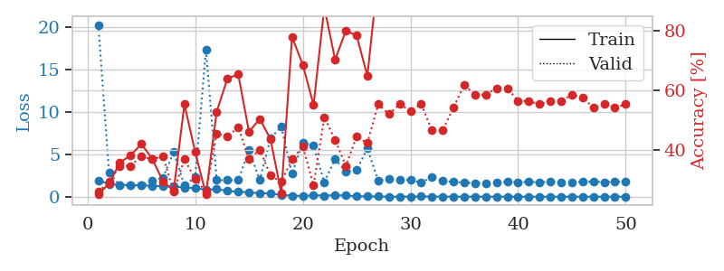
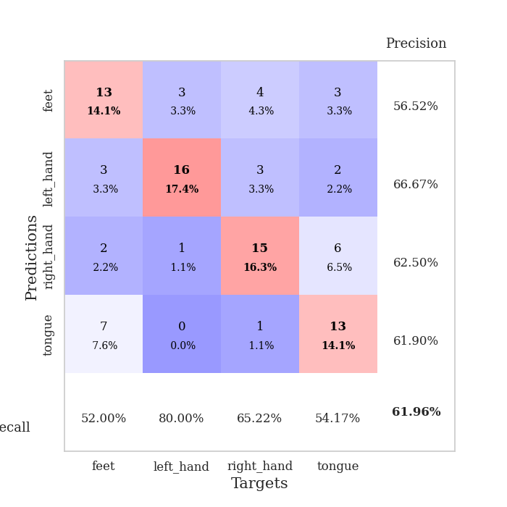
train_loss | valid_loss | train_accuracy | valid_accuracy | dur | train_misclass | valid_misclass
1.9163335873 | 20.258035992 | 0.2527173913 | 0.26086956522 | 1.1497199535 | 25.27173913 | 26.086956522
1.501307871 | 2.8059256388 | 0.28804347826 | 0.29347826087 | 1.1458621025 | 28.804347826 | 29.347826087
1.3932590951 | 1.3517566142 | 0.35869565217 | 0.34782608696 | 1.1486279964 | 35.869565217 | 34.782608696
1.3728295513 | 1.376760545 | 0.38315217391 | 0.34782608696 | 1.1493692398 | 38.315217391 | 34.782608696
1.3364134768 | 1.3469718591 | 0.42119565217 | 0.38043478261 | 1.1491918564 | 42.119565217 | 38.043478261
1.2866225554 | 1.9287330586 | 0.3722826087 | 0.36956521739 | 1.1493523121 | 37.22826087 | 36.956521739
1.23021436 | 2.2137766092 | 0.29619565217 | 0.38043478261 | 1.1498930454 | 29.619565217 | 38.043478261
1.2153312279 | 5.2754449222 | 0.26358695652 | 0.26086956522 | 1.1499829292 | 26.358695652 | 26.086956522
1.0785366089 | 1.3335114614 | 0.55434782609 | 0.36956521739 | 1.1496891975 | 55.434782609 | 36.956521739
1.0248821093 | 2.2759691425 | 0.39402173913 | 0.30434782609 | 1.1498613358 | 39.402173913 | 30.434782609
0.81134867279 | 17.307748256 | 0.2527173913 | 0.26086956522 | 1.1496033669 | 25.27173913 | 26.086956522
0.90229780259 | 1.9545921139 | 0.52989130435 | 0.45652173913 | 1.1507256031 | 52.989130435 | 45.652173913
0.67676735572 | 1.9570256627 | 0.64130434783 | 0.44565217391 | 1.150239706 | 64.130434783 | 44.565217391
0.57942568478 | 1.9507673357 | 0.65489130435 | 0.47826086957 | 1.1492996216 | 65.489130435 | 47.826086957
0.50861125018 | 5.477319282 | 0.46195652174 | 0.36956521739 | 1.151607275 | 46.195652174 | 36.956521739
0.41207762775 | 1.9740904259 | 0.50543478261 | 0.40217391304 | 1.1489090919 | 50.543478261 | 40.217391304
0.37657969153 | 6.8920899889 | 0.4375 | 0.3152173913 | 1.1498076916 | 43.75 | 31.52173913
0.20816101361 | 8.2414571928 | 0.25543478261 | 0.29347826087 | 1.1504743099 | 25.543478261 | 29.347826087
0.1315270753 | 2.7274275759 | 0.77989130435 | 0.36956521739 | 1.1499607563 | 77.989130435 | 36.956521739
0.094861792319 | 6.3685170671 | 0.6875 | 0.41304347826 | 1.1497092247 | 68.75 | 41.304347826
0.17013302632 | 6.0045286262 | 0.55163043478 | 0.28260869565 | 1.1500277519 | 55.163043478 | 28.260869565
0.12997876043 | 1.7149356293 | 0.88043478261 | 0.51086956522 | 1.1501948833 | 88.043478261 | 51.086956522
0.18619158277 | 4.4210772618 | 0.70380434783 | 0.4347826087 | 1.1520204544 | 70.380434783 | 43.47826087
0.13925735199 | 2.9553477764 | 0.80163043478 | 0.34782608696 | 1.1502296925 | 80.163043478 | 34.782608696
0.058305100538 | 3.1237807429 | 0.78532608696 | 0.44565217391 | 1.1504952908 | 78.532608696 | 44.565217391
0.041209769172 | 5.7201412242 | 0.64945652174 | 0.42391304348 | 1.150219202 | 64.945652174 | 42.391304348
0.03187525158 | 1.8865785029 | 0.99184782609 | 0.55434782609 | 1.151402235 | 99.184782609 | 55.434782609
0.014394545907 | 2.0800925545 | 1 | 0.52173913043 | 1.1508989334 | 100 | 52.173913043
0.0080002982387 | 1.9481592748 | 1 | 0.55434782609 | 1.1499760151 | 100 | 55.434782609
0.016033439209 | 1.9990008344 | 1 | 0.53260869565 | 1.1515789032 | 100 | 53.260869565
0.028855609586 | 1.6569485405 | 1 | 0.55434782609 | 1.1508917809 | 100 | 55.434782609
0.026733308413 | 2.347269053 | 0.9972826087 | 0.46739130435 | 1.1514384747 | 99.72826087 | 46.739130435
0.014046439099 | 1.8415857087 | 1 | 0.46739130435 | 1.1508369446 | 100 | 46.739130435
0.0090391869307 | 1.7730938404 | 1 | 0.54347826087 | 1.1510562897 | 100 | 54.347826087
0.010340622917 | 1.6412978535 | 1 | 0.61956521739 | 1.1515128613 | 100 | 61.956521739
0.0073502439064 | 1.6070281578 | 1 | 0.58695652174 | 1.1507983208 | 100 | 58.695652174
0.0074645983075 | 1.6059530092 | 1 | 0.58695652174 | 1.150113821 | 100 | 58.695652174
0.0066086273456 | 1.6724588405 | 1 | 0.60869565217 | 1.1508791447 | 100 | 60.869565217
0.01311324879 | 1.738018295 | 1 | 0.60869565217 | 1.1506462097 | 100 | 60.869565217
0.0025055038429 | 1.7169384594 | 1 | 0.5652173913 | 1.1512007713 | 100 | 56.52173913
0.0023343236231 | 1.7362311146 | 1 | 0.5652173913 | 1.150765419 | 100 | 56.52173913
0.0047081173815 | 1.7231003461 | 1 | 0.55434782609 | 1.1512312889 | 100 | 55.434782609
0.0033313003356 | 1.7325823929 | 1 | 0.5652173913 | 1.1515207291 | 100 | 56.52173913
0.0027065485236 | 1.7291763814 | 1 | 0.5652173913 | 1.1517782211 | 100 | 56.52173913
0.002695417715 | 1.7175424358 | 1 | 0.58695652174 | 1.1515977383 | 100 | 58.695652174
0.0041005441276 | 1.7391153159 | 1 | 0.57608695652 | 1.1517002583 | 100 | 57.608695652
0.0065619186954 | 1.7702728043 | 1 | 0.54347826087 | 1.1510844231 | 100 | 54.347826087
0.0041676603496 | 1.7094443104 | 1 | 0.55434782609 | 1.1515922546 | 100 | 55.434782609
0.0020685873979 | 1.7647709639 | 1 | 0.54347826087 | 1.151941061 | 100 | 54.347826087
0.0037961752906 | 1.7553018383 | 1 | 0.55434782609 | 1.1516020298 | 100 | 55.434782609

Best Val accuracy is 0.6195652173913043 and Best test accuracy is 0.5775862068965517

Sheet9
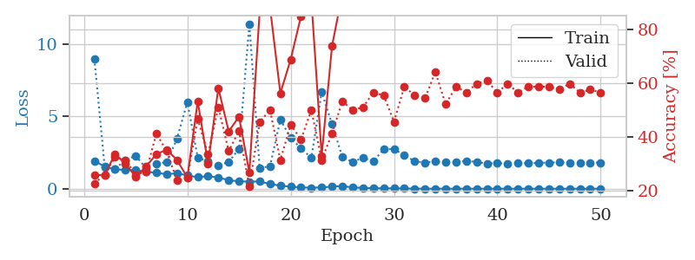
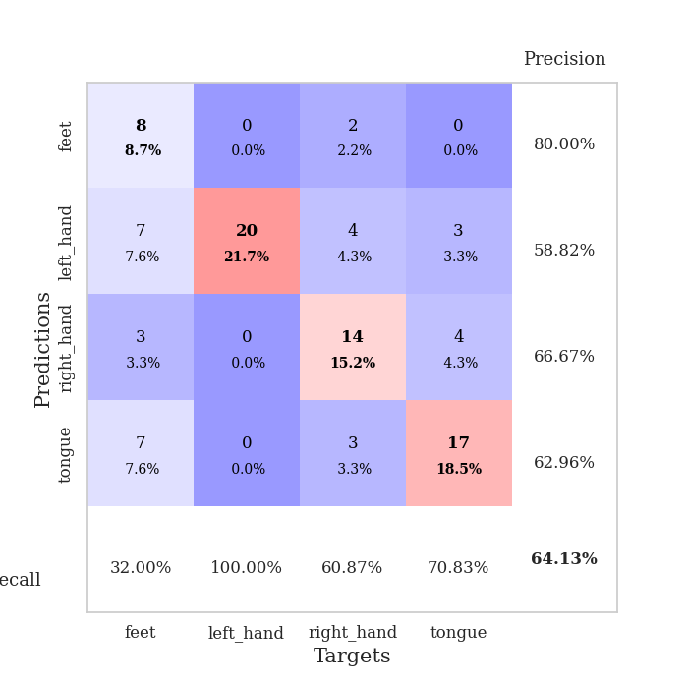
train_loss | valid_loss | train_accuracy | valid_accuracy | dur | train_misclass | valid_misclass
1.9193217651 | 8.9610627216 | 0.25815217391 | 0.22826086957 | 1.1527030468 | 25.815217391 | 22.826086957
1.5283395829 | 1.4991826337 | 0.26086956522 | 0.26086956522 | 1.1511247158 | 26.086956522 | 26.086956522
1.3478793631 | 1.3773738405 | 0.33695652174 | 0.32608695652 | 1.1495063305 | 33.695652174 | 32.608695652
1.2943264972 | 1.9875664866 | 0.30163043478 | 0.3152173913 | 1.1491706371 | 30.163043478 | 31.52173913
1.2839406625 | 2.2778854629 | 0.2527173913 | 0.26086956522 | 1.1498889923 | 25.27173913 | 26.086956522
1.1648853758 | 1.4115429391 | 0.29076086957 | 0.27173913043 | 1.1495358944 | 29.076086957 | 27.173913043
1.1091926513 | 1.7172484709 | 0.33695652174 | 0.41304347826 | 1.1492917538 | 33.695652174 | 41.304347826
0.99513071516 | 1.8378846438 | 0.35326086957 | 0.34782608696 | 1.1505594254 | 35.326086957 | 34.782608696
1.0781465561 | 3.4535923833 | 0.3152173913 | 0.23913043478 | 1.1493828297 | 31.52173913 | 23.913043478
0.91580678328 | 5.9958636864 | 0.25 | 0.25 | 1.1493015289 | 25 | 25
0.79682532082 | 2.1592112987 | 0.53260869565 | 0.46739130435 | 1.1496376991 | 53.260869565 | 46.739130435
0.87479493152 | 1.881886928 | 0.30163043478 | 0.33695652174 | 1.1501603127 | 30.163043478 | 33.695652174
0.77652534583 | 1.6112519114 | 0.58152173913 | 0.51086956522 | 1.1499071121 | 58.152173913 | 51.086956522
0.59296321869 | 1.8548342767 | 0.42119565217 | 0.34782608696 | 1.1504058838 | 42.119565217 | 34.782608696
0.50860811511 | 2.745253677 | 0.47554347826 | 0.42391304348 | 1.1493890285 | 47.554347826 | 42.391304348
0.49401334835 | 11.38478984 | 0.26902173913 | 0.21739130435 | 1.1494646072 | 26.902173913 | 21.739130435
0.50235067502 | 1.4242992686 | 0.86684782609 | 0.45652173913 | 1.1497323513 | 86.684782609 | 45.652173913
0.32572648383 | 1.5594181133 | 0.88043478261 | 0.5 | 1.1492211819 | 88.043478261 | 50
0.21562330862 | 4.7573673621 | 0.5625 | 0.3152173913 | 1.1496357918 | 56.25 | 31.52173913
0.13651014751 | 3.5207191239 | 0.6875 | 0.44565217391 | 1.1497633457 | 68.75 | 44.565217391
0.088834318656 | 2.7811397366 | 0.84782608696 | 0.39130434783 | 1.1497762203 | 84.782608696 | 39.130434783
0.073557319605 | 2.1347246274 | 0.91032608696 | 0.5 | 1.1495792866 | 91.032608696 | 50
0.095311032365 | 6.6813849159 | 0.33152173913 | 0.3152173913 | 1.1501011848 | 33.152173913 | 31.52173913
0.1408074499 | 4.4677232452 | 0.73641304348 | 0.41304347826 | 1.1506319046 | 73.641304348 | 41.304347826
0.1953998102 | 2.1940029756 | 0.93206521739 | 0.53260869565 | 1.150318861 | 93.206521739 | 53.260869565
0.083997740775 | 1.8491854046 | 0.90489130435 | 0.5 | 1.1505873203 | 90.489130435 | 50
0.064492090241 | 2.1427846007 | 0.9347826087 | 0.51086956522 | 1.1498394012 | 93.47826087 | 51.086956522
0.036328543038 | 1.8853540213 | 0.98097826087 | 0.5652173913 | 1.1509859562 | 98.097826087 | 56.52173913
0.031512244969 | 2.7245441727 | 0.88858695652 | 0.55434782609 | 1.1497755051 | 88.858695652 | 55.434782609
0.030490312983 | 2.7527095028 | 0.97010869565 | 0.45652173913 | 1.1497695446 | 97.010869565 | 45.652173913
0.019349037209 | 2.2965070113 | 0.98641304348 | 0.58695652174 | 1.1503555775 | 98.641304348 | 58.695652174
0.011472938653 | 1.9066674295 | 1 | 0.55434782609 | 1.1487829685 | 100 | 55.434782609
0.0067812516303 | 1.7953758032 | 1 | 0.54347826087 | 1.149823904 | 100 | 54.347826087
0.007371743893 | 1.8816703765 | 1 | 0.64130434783 | 1.1495811939 | 100 | 64.130434783
0.0064632821621 | 1.8686701526 | 1 | 0.52173913043 | 1.1508963108 | 100 | 52.173913043
0.0029737309492 | 1.8317285569 | 1 | 0.58695652174 | 1.1492621899 | 100 | 58.695652174
0.0063873289568 | 1.9136463456 | 1 | 0.5652173913 | 1.1504123211 | 100 | 56.52173913
0.0041764410537 | 1.8514247511 | 1 | 0.59782608696 | 1.1487982273 | 100 | 59.782608696
0.0032380165763 | 1.7409232388 | 1 | 0.60869565217 | 1.1497590542 | 100 | 60.869565217
0.0062180152176 | 1.7666174847 | 1 | 0.5652173913 | 1.1498982906 | 100 | 56.52173913
0.0029235228595 | 1.7297605846 | 1 | 0.59782608696 | 1.1499915123 | 100 | 59.782608696
0.0049350474981 | 1.7979526468 | 1 | 0.5652173913 | 1.1497149467 | 100 | 56.52173913
0.0038690081375 | 1.7539150197 | 1 | 0.58695652174 | 1.1504936218 | 100 | 58.695652174
0.0040248520154 | 1.7821140859 | 1 | 0.58695652174 | 1.1494307518 | 100 | 58.695652174
0.0043206882205 | 1.808480325 | 1 | 0.58695652174 | 1.1503112316 | 100 | 58.695652174
0.0034367198924 | 1.8238077734 | 1 | 0.57608695652 | 1.1500577927 | 100 | 57.608695652
0.0036233740849 | 1.7903130158 | 1 | 0.59782608696 | 1.1504209042 | 100 | 59.782608696
0.0023203631332 | 1.7591241598 | 1 | 0.5652173913 | 1.150752306 | 100 | 56.52173913
0.0052439201125 | 1.8024675898 | 1 | 0.57608695652 | 1.1511063576 | 100 | 57.608695652
0.0030065217212 | 1.8075477921 | 1 | 0.5652173913 | 1.1518354416 | 100 | 56.52173913

Best Val accuracy is 0.6413043478260869 and Best test accuracy is 0.5517241379310345

Sheet10
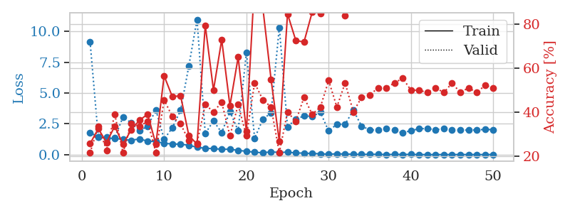
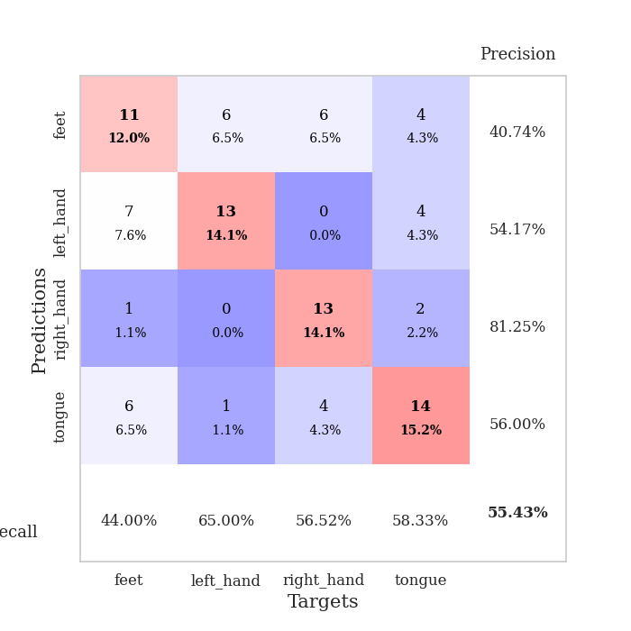
train_loss | valid_loss | train_accuracy | valid_accuracy | dur | train_misclass | valid_misclass
1.7930785573 | 9.1814625367 | 0.25815217391 | 0.21739130435 | 1.1519200802 | 25.815217391 | 21.739130435
1.43981492 | 1.4170273853 | 0.32608695652 | 0.33695652174 | 1.1461877823 | 32.608695652 | 33.695652174
1.3326383622 | 1.4278403417 | 0.26358695652 | 0.22826086957 | 1.1462380886 | 26.358695652 | 22.826086957
1.3250730038 | 1.3721253302 | 0.33695652174 | 0.39130434783 | 1.1483457088 | 33.695652174 | 39.130434783
1.2346409896 | 3.0599832638 | 0.25543478261 | 0.21739130435 | 1.1484289169 | 25.543478261 | 21.739130435
1.1640271259 | 2.5807770853 | 0.32065217391 | 0.34782608696 | 1.1483550072 | 32.065217391 | 34.782608696
1.283295761 | 1.9403851913 | 0.36413043478 | 0.33695652174 | 1.1480150223 | 36.413043478 | 33.695652174
1.0928466527 | 2.310505017 | 0.39130434783 | 0.35869565217 | 1.1484832764 | 39.130434783 | 35.869565217
1.0710807339 | 3.6362076842 | 0.25543478261 | 0.21739130435 | 1.14935112 | 25.543478261 | 21.739130435
0.91730981806 | 1.2566960998 | 0.5652173913 | 0.45652173913 | 1.149171114 | 56.52173913 | 45.652173913
0.8724254888 | 2.1851094391 | 0.47010869565 | 0.38043478261 | 1.1502280235 | 47.010869565 | 38.043478261
0.84734959965 | 3.5989324528 | 0.47554347826 | 0.34782608696 | 1.1488611698 | 47.554347826 | 34.782608696
0.76762742193 | 7.1881540133 | 0.29619565217 | 0.27173913043 | 1.1488895416 | 29.619565217 | 27.173913043
0.60244490012 | 10.979957124 | 0.25543478261 | 0.26086956522 | 1.1485369205 | 25.543478261 | 26.086956522
0.51506912579 | 1.7168310932 | 0.79347826087 | 0.4347826087 | 1.1488900185 | 79.347826087 | 43.47826087
0.49348879703 | 2.7382277095 | 0.5 | 0.40217391304 | 1.1481859684 | 50 | 40.217391304
0.43337599933 | 1.7969922605 | 0.72826086957 | 0.44565217391 | 1.1480240822 | 72.826086957 | 44.565217391
0.44840228396 | 3.5034152425 | 0.42934782609 | 0.29347826087 | 1.1482288837 | 42.934782609 | 29.347826087
0.3421856301 | 1.9468606192 | 0.64945652174 | 0.4347826087 | 1.1488862038 | 64.945652174 | 43.47826087
0.27999897819 | 8.3171672406 | 0.3152173913 | 0.29347826087 | 1.1487727165 | 31.52173913 | 29.347826087
0.19324236428 | 1.3324462901 | 0.99184782609 | 0.53260869565 | 1.149474144 | 99.184782609 | 53.260869565
0.15522927297 | 2.8730187934 | 0.8722826087 | 0.45652173913 | 1.1505846977 | 87.22826087 | 45.652173913
0.22781264814 | 3.3970481572 | 0.54891304348 | 0.42391304348 | 1.1490869522 | 54.891304348 | 42.391304348
0.18208699155 | 10.344574845 | 0.26902173913 | 0.21739130435 | 1.1495559216 | 26.902173913 | 21.739130435
0.20194416226 | 2.2501123366 | 0.84510869565 | 0.40217391304 | 1.1499285698 | 84.510869565 | 40.217391304
0.13522448504 | 2.8907517869 | 0.72554347826 | 0.35869565217 | 1.1498756409 | 72.554347826 | 35.869565217
0.12905191614 | 3.1369815495 | 0.71739130435 | 0.46739130435 | 1.1501173973 | 71.739130435 | 46.739130435
0.095506213929 | 3.1220730595 | 0.85326086957 | 0.39130434783 | 1.149944067 | 85.326086957 | 39.130434783
0.074286215858 | 3.4248707294 | 0.84782608696 | 0.42391304348 | 1.1506695747 | 84.782608696 | 42.391304348
0.040354577339 | 1.9259922038 | 0.98369565217 | 0.54347826087 | 1.1498863697 | 98.369565217 | 54.347826087
0.071465885732 | 2.4761014296 | 0.97554347826 | 0.42391304348 | 1.1492362022 | 97.554347826 | 42.391304348
0.055904738777 | 2.4710170549 | 0.83695652174 | 0.53260869565 | 1.1502842903 | 83.695652174 | 53.260869565
0.034738827952 | 3.6132855312 | 0.92391304348 | 0.40217391304 | 1.1503791809 | 92.391304348 | 40.217391304
0.019913601031 | 2.3227122815 | 0.99456521739 | 0.46739130435 | 1.1496040821 | 99.456521739 | 46.739130435
0.033315399894 | 2.0171397717 | 1 | 0.47826086957 | 1.1502048969 | 100 | 47.826086957
0.028565232652 | 1.9945662799 | 1 | 0.51086956522 | 1.1492669582 | 100 | 51.086956522
0.011210793498 | 2.1065205698 | 1 | 0.51086956522 | 1.1526958942 | 100 | 51.086956522
0.024046298091 | 1.9842436676 | 1 | 0.53260869565 | 1.1503543854 | 100 | 53.260869565
0.016855637502 | 1.7580598152 | 1 | 0.55434782609 | 1.1511387825 | 100 | 55.434782609
0.024395934336 | 1.9597174137 | 1 | 0.5 | 1.1500666142 | 100 | 50
0.010284831682 | 2.1024058435 | 1 | 0.5 | 1.149889946 | 100 | 50
0.0063658384277 | 2.1293310549 | 1 | 0.48913043478 | 1.1499824524 | 100 | 48.913043478
0.0051303471024 | 2.0183547217 | 1 | 0.51086956522 | 1.1496284008 | 100 | 51.086956522
0.011531857675 | 2.1376486861 | 1 | 0.48913043478 | 1.1508350372 | 100 | 48.913043478
0.0057223014503 | 1.9967563204 | 1 | 0.53260869565 | 1.1493930817 | 100 | 53.260869565
0.014659764653 | 2.0093436967 | 1 | 0.48913043478 | 1.1499249935 | 100 | 48.913043478
0.006020521325 | 1.9905832488 | 1 | 0.51086956522 | 1.1491835117 | 100 | 51.086956522
0.010489525266 | 2.0093267741 | 1 | 0.48913043478 | 1.1522502899 | 100 | 48.913043478
0.0061553423495 | 2.0528598506 | 1 | 0.52173913043 | 1.1496548653 | 100 | 52.173913043
0.016587015788 | 2.0328101542 | 1 | 0.51086956522 | 1.1495654583 | 100 | 51.086956522

Best Val accuracy is 0.5543478260869565 and Best test accuracy is 0.5431034482758621

