Sheet
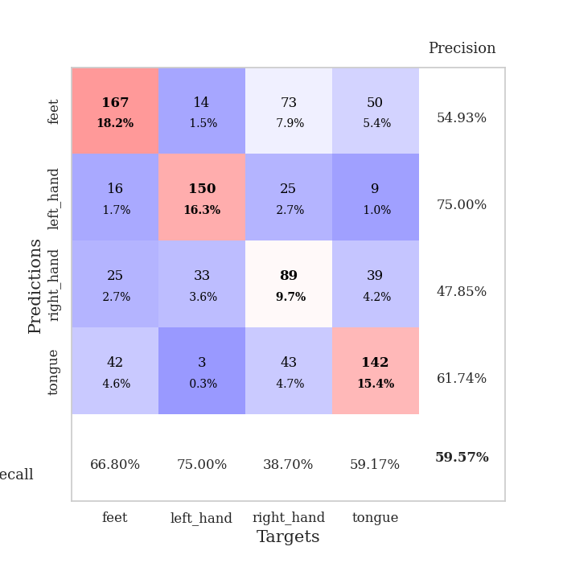

best_val_acc | best_val_los | best_test_acc
0.59782608696 | 1.1839529069 | 0.44827586207
0.5 | 1.2437264142 | 0.52586206897
0.65217391304 | 1.0993826959 | 0.62068965517
0.63043478261 | 1.293823351 | 0.58620689655
0.66304347826 | 1.2661582024 | 0.62931034483
0.60869565217 | 1.4325835964 | 0.55172413793
0.51086956522 | 1.3989631249 | 0.50862068966
0.60869565217 | 1.0712094981 | 0.43965517241
0.64130434783 | 1.2921997412 | 0.51724137931
0.54347826087 | 1.5464243267 | 0.5

Mean,std Val accuracy is 0.5956521739130435 , 0.05815189173257645 and mean, std test accuracy is 0.5327586206896552 , 0.06499590929941118

Sheet1
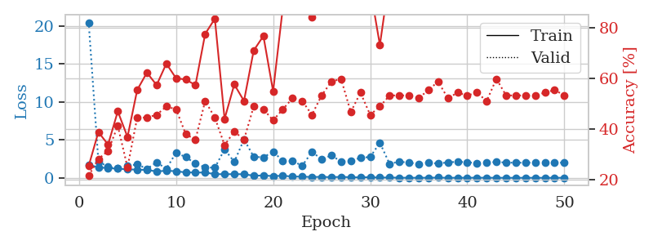
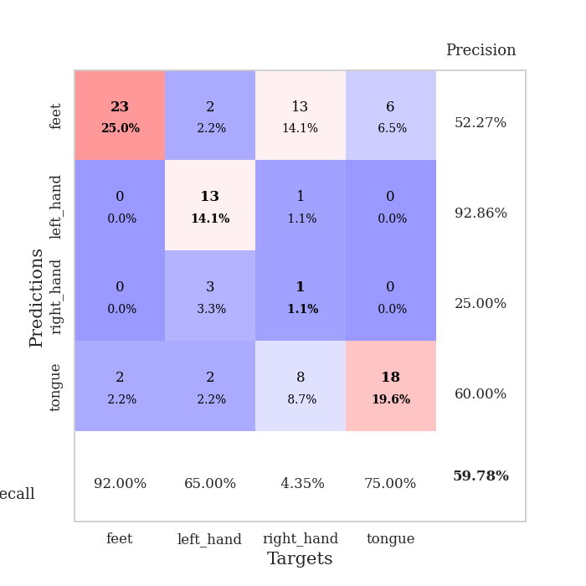
train_loss | valid_loss | train_accuracy | valid_accuracy | dur | train_misclass | valid_misclass
1.7119242005 | 20.468464064 | 0.25543478261 | 0.21739130435 | 1.1540565491 | 25.543478261 | 21.739130435
1.3909969019 | 2.1639769285 | 0.38858695652 | 0.28260869565 | 1.1481318474 | 38.858695652 | 28.260869565
1.2738523276 | 1.4415663688 | 0.33967391304 | 0.3152173913 | 1.1466944218 | 33.967391304 | 31.52173913
1.2218206473 | 1.2684403451 | 0.47010869565 | 0.41304347826 | 1.1462380886 | 47.010869565 | 41.304347826
1.1067442738 | 1.5511618853 | 0.36956521739 | 0.25 | 1.1472001076 | 36.956521739 | 25
1.0910327305 | 1.7907070336 | 0.55434782609 | 0.44565217391 | 1.1488118172 | 55.434782609 | 44.565217391
1.0293884847 | 1.1839529069 | 0.6222826087 | 0.44565217391 | 1.1461575031 | 62.22826087 | 44.565217391
0.85340498712 | 2.0402938957 | 0.57336956522 | 0.45652173913 | 1.1489562988 | 57.336956522 | 45.652173913
0.93591018345 | 1.1972686052 | 0.65760869565 | 0.48913043478 | 1.1501033306 | 65.760869565 | 48.913043478
0.87948665412 | 3.3091977887 | 0.60054347826 | 0.47826086957 | 1.1485762596 | 60.054347826 | 47.826086957
0.71258022863 | 2.7359436439 | 0.59510869565 | 0.38043478261 | 1.1483020782 | 59.510869565 | 38.043478261
0.71148995213 | 1.8876906271 | 0.57336956522 | 0.35869565217 | 1.1483385563 | 57.336956522 | 35.869565217
0.69282359014 | 1.3801897039 | 0.77445652174 | 0.51086956522 | 1.1484322548 | 77.445652174 | 51.086956522
0.49810309579 | 1.3376142668 | 0.83423913043 | 0.44565217391 | 1.1478292942 | 83.423913043 | 44.565217391
0.4756160074 | 3.7585554952 | 0.4402173913 | 0.33695652174 | 1.148512125 | 44.02173913 | 33.695652174
0.49128160788 | 2.1010422085 | 0.57608695652 | 0.39130434783 | 1.1484718323 | 57.608695652 | 39.130434783
0.47782332418 | 5.0640825396 | 0.51086956522 | 0.35869565217 | 1.1476738453 | 51.086956522 | 35.869565217
0.28381320057 | 2.7946423966 | 0.70923913043 | 0.48913043478 | 1.1478426456 | 70.923913043 | 48.913043478
0.31005528861 | 2.6903264315 | 0.76630434783 | 0.47826086957 | 1.148670435 | 76.630434783 | 47.826086957
0.23316366367 | 3.4581003811 | 0.54891304348 | 0.4347826087 | 1.1489181519 | 54.891304348 | 43.47826087
0.27859812975 | 2.2401224323 | 0.8777173913 | 0.47826086957 | 1.1498134136 | 87.77173913 | 47.826086957
0.17101984131 | 2.2019773255 | 0.99456521739 | 0.52173913043 | 1.1483564377 | 99.456521739 | 52.173913043
0.16450606157 | 1.6084411092 | 0.96739130435 | 0.51086956522 | 1.1491081715 | 96.739130435 | 51.086956522
0.10569976181 | 3.4029844118 | 0.83967391304 | 0.45652173913 | 1.1480016708 | 83.967391304 | 45.652173913
0.13726024378 | 2.4655933587 | 0.98641304348 | 0.53260869565 | 1.1490366459 | 98.641304348 | 53.260869565
0.085823043452 | 2.9470993332 | 0.89402173913 | 0.58695652174 | 1.1499488354 | 89.402173913 | 58.695652174
0.13416668789 | 2.1595799094 | 0.95108695652 | 0.59782608696 | 1.1484076977 | 95.108695652 | 59.782608696
0.079058140253 | 2.2357250348 | 0.88586956522 | 0.46739130435 | 1.1474349499 | 88.586956522 | 46.739130435
0.063476325337 | 2.6443231313 | 0.96195652174 | 0.54347826087 | 1.1474702358 | 96.195652174 | 54.347826087
0.092329709517 | 2.74595413 | 0.95380434783 | 0.45652173913 | 1.1478531361 | 95.380434783 | 45.652173913
0.035520472037 | 4.6267918089 | 0.73097826087 | 0.48913043478 | 1.1479246616 | 73.097826087 | 48.913043478
0.048665307665 | 1.8350309911 | 1 | 0.53260869565 | 1.1488687992 | 100 | 53.260869565
0.017613227358 | 2.1468616258 | 1 | 0.53260869565 | 1.1490650177 | 100 | 53.260869565
0.012928286071 | 1.9884989521 | 0.9972826087 | 0.53260869565 | 1.1484596729 | 99.72826087 | 53.260869565
0.010721907908 | 1.8446667816 | 1 | 0.52173913043 | 1.1485159397 | 100 | 52.173913043
0.017605132218 | 1.9795915459 | 1 | 0.55434782609 | 1.1492087841 | 100 | 55.434782609
0.031059459889 | 1.8900434453 | 1 | 0.58695652174 | 1.149075985 | 100 | 58.695652174
0.0084666081264 | 2.0433797318 | 1 | 0.52173913043 | 1.1495535374 | 100 | 52.173913043
0.013898747943 | 2.1205008548 | 1 | 0.54347826087 | 1.1487298012 | 100 | 54.347826087
0.014686779165 | 2.0623795416 | 1 | 0.53260869565 | 1.1495523453 | 100 | 53.260869565
0.020338903396 | 1.9279569647 | 1 | 0.54347826087 | 1.1490938663 | 100 | 54.347826087
0.013420832858 | 2.0514794951 | 1 | 0.51086956522 | 1.1486325264 | 100 | 51.086956522
0.01159487979 | 2.0748106189 | 1 | 0.59782608696 | 1.1495218277 | 100 | 59.782608696
0.004997398846 | 2.0247159523 | 1 | 0.53260869565 | 1.149433136 | 100 | 53.260869565
0.007261524535 | 1.98284739 | 1 | 0.53260869565 | 1.1504819393 | 100 | 53.260869565
0.0079571449808 | 2.011873494 | 1 | 0.53260869565 | 1.1497986317 | 100 | 53.260869565
0.0096202143822 | 1.9894387515 | 1 | 0.53260869565 | 1.1487770081 | 100 | 53.260869565
0.0040323703889 | 1.9969914789 | 1 | 0.54347826087 | 1.1493308544 | 100 | 54.347826087
0.0046641176602 | 2.0308155703 | 1 | 0.55434782609 | 1.149128437 | 100 | 55.434782609
0.013638639925 | 1.9798456171 | 1 | 0.53260869565 | 1.1491777897 | 100 | 53.260869565

Best Val accuracy is 0.5978260869565217 and Best test accuracy is 0.4482758620689655

Sheet2
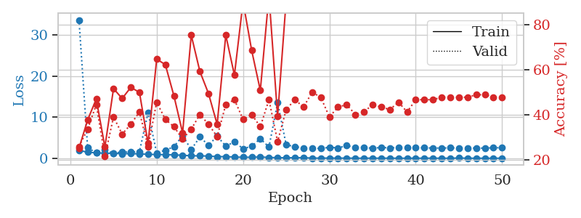
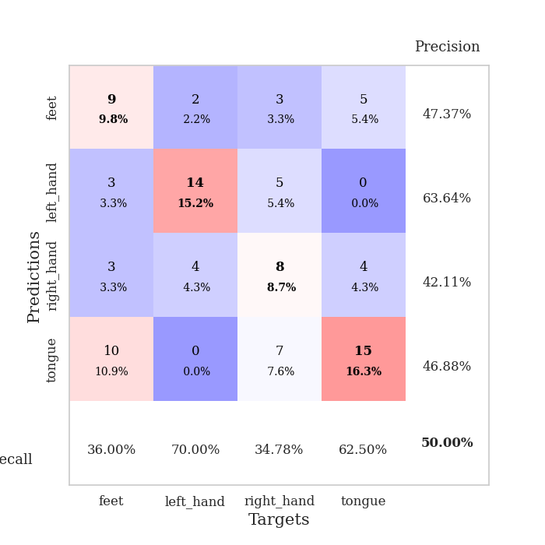
train_loss | valid_loss | train_accuracy | valid_accuracy | dur | train_misclass | valid_misclass
1.9182306891 | 33.648500111 | 0.2527173913 | 0.26086956522 | 1.1501586437 | 25.27173913 | 26.086956522
1.4735108666 | 2.5569173149 | 0.3777173913 | 0.33695652174 | 1.144764185 | 37.77173913 | 33.695652174
1.3154410227 | 1.3449644991 | 0.47010869565 | 0.44565217391 | 1.1461093426 | 47.010869565 | 44.565217391
1.2229525836 | 2.0084447964 | 0.25815217391 | 0.21739130435 | 1.1452493668 | 25.815217391 | 21.739130435
1.2049094983 | 1.2437264142 | 0.51630434783 | 0.39130434783 | 1.1447918415 | 51.630434783 | 39.130434783
1.1058610315 | 1.5366962422 | 0.47282608696 | 0.3152173913 | 1.1493833065 | 47.282608696 | 31.52173913
1.1107752712 | 1.4709546048 | 0.52173913043 | 0.35869565217 | 1.1485738754 | 52.173913043 | 35.869565217
1.0680294529 | 1.5984637893 | 0.5 | 0.41304347826 | 1.1486990452 | 50 | 41.304347826
0.95370857871 | 11.073301688 | 0.27445652174 | 0.26086956522 | 1.1491031647 | 27.445652174 | 26.086956522
0.89411412892 | 1.2787296876 | 0.64673913043 | 0.45652173913 | 1.1488573551 | 64.673913043 | 45.652173913
0.86460632345 | 1.956280444 | 0.6222826087 | 0.38043478261 | 1.1473841667 | 62.22826087 | 38.043478261
0.81472480168 | 2.8013033141 | 0.48369565217 | 0.34782608696 | 1.1483426094 | 48.369565217 | 34.782608696
0.72727236411 | 5.4954558455 | 0.32065217391 | 0.29347826087 | 1.1490473747 | 32.065217391 | 29.347826087
0.59230266835 | 2.1131251221 | 0.7527173913 | 0.33695652174 | 1.1477897167 | 75.27173913 | 33.695652174
0.57910799332 | 5.1825875614 | 0.59239130435 | 0.40217391304 | 1.147932291 | 59.239130435 | 40.217391304
0.53141828076 | 3.1794393581 | 0.49456521739 | 0.35869565217 | 1.1491410732 | 49.456521739 | 35.869565217
0.38901330401 | 5.3676697068 | 0.35869565217 | 0.30434782609 | 1.1486623287 | 35.869565217 | 30.434782609
0.39051725003 | 2.9794620431 | 0.7527173913 | 0.44565217391 | 1.1492419243 | 75.27173913 | 44.565217391
0.28453552529 | 3.9634872312 | 0.57608695652 | 0.46739130435 | 1.1496334076 | 57.608695652 | 46.739130435
0.24543676914 | 2.3239113663 | 0.89945652174 | 0.38043478261 | 1.1496109962 | 89.945652174 | 38.043478261
0.23432595655 | 2.917350966 | 0.6847826087 | 0.40217391304 | 1.1488165855 | 68.47826087 | 40.217391304
0.31690640731 | 4.763801554 | 0.50815217391 | 0.34782608696 | 1.1486918926 | 50.815217391 | 34.782608696
0.18254736795 | 2.7317221372 | 0.92934782609 | 0.46739130435 | 1.1492779255 | 92.934782609 | 46.739130435
0.14771068218 | 13.505590936 | 0.39402173913 | 0.28260869565 | 1.1493327618 | 39.402173913 | 28.260869565
0.10544982876 | 3.2326871105 | 0.91032608696 | 0.42391304348 | 1.1494674683 | 91.032608696 | 42.391304348
0.13268873816 | 2.8736380701 | 0.89130434783 | 0.46739130435 | 1.1499271393 | 89.130434783 | 46.739130435
0.13307469184 | 2.4391194167 | 0.96467391304 | 0.4347826087 | 1.1493737698 | 96.467391304 | 43.47826087
0.034934108065 | 2.4927968875 | 1 | 0.5 | 1.1493718624 | 100 | 50
0.030825668804 | 2.3576624601 | 1 | 0.47826086957 | 1.1511337757 | 100 | 47.826086957
0.037797937483 | 2.6733549885 | 1 | 0.39130434783 | 1.1486413479 | 100 | 39.130434783
0.030964044257 | 2.5086478461 | 0.98641304348 | 0.4347826087 | 1.1494600773 | 98.641304348 | 43.47826087
0.029775387769 | 3.0804645601 | 1 | 0.44565217391 | 1.1489267349 | 100 | 44.565217391
0.011685035789 | 2.5929684328 | 1 | 0.40217391304 | 1.1492445469 | 100 | 40.217391304
0.008584770865 | 2.6560931931 | 1 | 0.41304347826 | 1.1488697529 | 100 | 41.304347826
0.021369650752 | 2.4076341235 | 1 | 0.44565217391 | 1.1487822533 | 100 | 44.565217391
0.012948587514 | 2.6471665009 | 1 | 0.4347826087 | 1.1500296593 | 100 | 43.47826087
0.016674299097 | 2.4869676569 | 1 | 0.42391304348 | 1.1496217251 | 100 | 42.391304348
0.0069436935617 | 2.6439587863 | 1 | 0.45652173913 | 1.148948431 | 100 | 45.652173913
0.0073695913863 | 2.5953139637 | 1 | 0.41304347826 | 1.148863554 | 100 | 41.304347826
0.013208503817 | 2.5392464555 | 1 | 0.46739130435 | 1.1494758129 | 100 | 46.739130435
0.009346140746 | 2.5275414197 | 1 | 0.46739130435 | 1.1496815681 | 100 | 46.739130435
0.021457732817 | 2.4901406765 | 1 | 0.46739130435 | 1.1496398449 | 100 | 46.739130435
0.0052205476272 | 2.483282452 | 1 | 0.47826086957 | 1.1487338543 | 100 | 47.826086957
0.0047630735587 | 2.5232169628 | 1 | 0.47826086957 | 1.1488850117 | 100 | 47.826086957
0.059924774078 | 2.4940222035 | 1 | 0.47826086957 | 1.1494064331 | 100 | 47.826086957
0.0074043534241 | 2.4943678794 | 1 | 0.47826086957 | 1.1495113373 | 100 | 47.826086957
0.0045742549992 | 2.4779329404 | 1 | 0.48913043478 | 1.150244236 | 100 | 48.913043478
0.006588686169 | 2.4580954054 | 1 | 0.48913043478 | 1.1504182816 | 100 | 48.913043478
0.0054616422732 | 2.5558993505 | 1 | 0.47826086957 | 1.1502254009 | 100 | 47.826086957
0.0083910649485 | 2.5497242575 | 1 | 0.47826086957 | 1.1501181126 | 100 | 47.826086957

Best Val accuracy is 0.5 and Best test accuracy is 0.5258620689655172

Sheet3
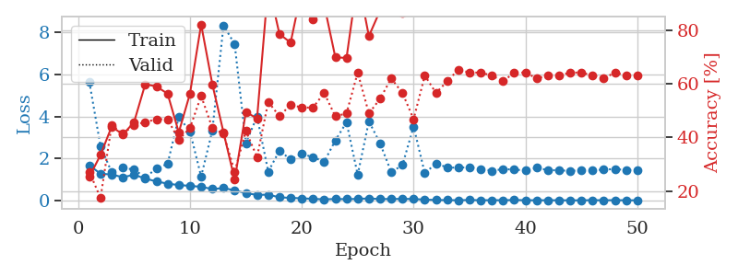
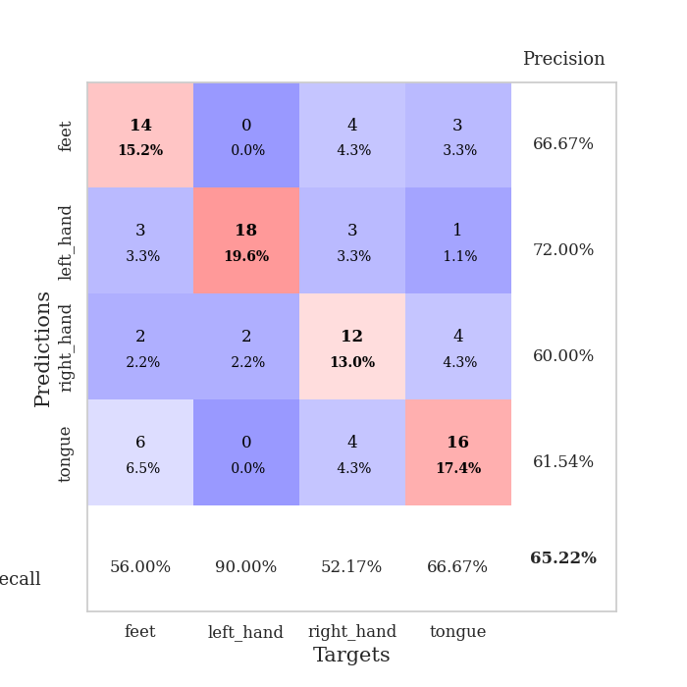
train_loss | valid_loss | train_accuracy | valid_accuracy | dur | train_misclass | valid_misclass
1.6756988919 | 5.6522524253 | 0.2527173913 | 0.27173913043 | 1.1458449364 | 25.27173913 | 27.173913043
1.2672720733 | 2.5831633547 | 0.33423913043 | 0.17391304348 | 1.1460535526 | 33.423913043 | 17.391304348
1.2362609739 | 1.3420564195 | 0.4402173913 | 0.44565217391 | 1.1483545303 | 44.02173913 | 44.565217391
1.0993798064 | 1.5513351845 | 0.41032608696 | 0.41304347826 | 1.1485750675 | 41.032608696 | 41.304347826
1.2261187331 | 1.466065837 | 0.45652173913 | 0.44565217391 | 1.1489624977 | 45.652173913 | 44.565217391
1.0368155241 | 1.0993826959 | 0.59782608696 | 0.45652173913 | 1.1487350464 | 59.782608696 | 45.652173913
0.90477668073 | 1.5116421243 | 0.58967391304 | 0.46739130435 | 1.1498742104 | 58.967391304 | 46.739130435
0.7945363988 | 1.7436006484 | 0.5625 | 0.46739130435 | 1.1492166519 | 56.25 | 46.739130435
0.73155665916 | 3.9784967381 | 0.41847826087 | 0.39130434783 | 1.1510334015 | 41.847826087 | 39.130434783
0.6915119692 | 3.2865044241 | 0.5625 | 0.4347826087 | 1.1506736279 | 56.25 | 43.47826087
0.64679943738 | 1.1370038779 | 0.82065217391 | 0.55434782609 | 1.1501049995 | 82.065217391 | 55.434782609
0.53912278751 | 3.3196391126 | 0.59782608696 | 0.4347826087 | 1.14935112 | 59.782608696 | 43.47826087
0.58601685387 | 8.3438893608 | 0.41847826087 | 0.41304347826 | 1.1509451866 | 41.847826087 | 41.304347826
0.47848230989 | 7.4438892447 | 0.24184782609 | 0.27173913043 | 1.1499316692 | 24.184782609 | 27.173913043
0.34253506492 | 2.7294012671 | 0.49456521739 | 0.42391304348 | 1.1502404213 | 49.456521739 | 42.391304348
0.2605817169 | 4.0001533031 | 0.47010869565 | 0.32608695652 | 1.1512053013 | 47.010869565 | 32.608695652
0.27299059118 | 1.3687695006 | 0.97010869565 | 0.53260869565 | 1.150829792 | 97.010869565 | 53.260869565
0.14533806317 | 2.3668794632 | 0.78532608696 | 0.47826086957 | 1.1500983238 | 78.532608696 | 47.826086957
0.1195537784 | 1.9532417318 | 0.7527173913 | 0.52173913043 | 1.1496961117 | 75.27173913 | 52.173913043
0.098680354493 | 2.2129468607 | 0.95108695652 | 0.51086956522 | 1.1514155865 | 95.108695652 | 51.086956522
0.071202290568 | 2.0615568472 | 0.83967391304 | 0.51086956522 | 1.150290966 | 83.967391304 | 51.086956522
0.050676127106 | 1.8410437729 | 0.89402173913 | 0.5652173913 | 1.1504986286 | 89.402173913 | 56.52173913
0.066079467272 | 2.8536692184 | 0.69836956522 | 0.47826086957 | 1.1518044472 | 69.836956522 | 47.826086957
0.058157616254 | 3.7239095232 | 0.69565217391 | 0.48913043478 | 1.1498992443 | 69.565217391 | 48.913043478
0.070761956841 | 1.2172274693 | 0.99184782609 | 0.64130434783 | 1.1501045227 | 99.184782609 | 64.130434783
0.092118543026 | 3.7724114086 | 0.77717391304 | 0.48913043478 | 1.1525626183 | 77.717391304 | 48.913043478
0.063418246006 | 2.7196588102 | 0.8722826087 | 0.54347826087 | 1.1501555443 | 87.22826087 | 54.347826087
0.065809762045 | 1.3461237679 | 0.9972826087 | 0.61956521739 | 1.1504025459 | 99.72826087 | 61.956521739
0.070799538785 | 1.680198431 | 0.86413043478 | 0.5652173913 | 1.1501569748 | 86.413043478 | 56.52173913
0.065573360953 | 3.5204257136 | 0.89945652174 | 0.46739130435 | 1.1506085396 | 89.945652174 | 46.739130435
0.036937172803 | 1.2901004864 | 0.9972826087 | 0.63043478261 | 1.150860548 | 99.72826087 | 63.043478261
0.017417272522 | 1.7626440318 | 1 | 0.5652173913 | 1.1499457359 | 100 | 56.52173913
0.013319583458 | 1.5687388441 | 1 | 0.60869565217 | 1.150015831 | 100 | 60.869565217
0.0062423299026 | 1.5555023214 | 1 | 0.65217391304 | 1.1503517628 | 100 | 65.217391304
0.019278274315 | 1.5851354806 | 1 | 0.64130434783 | 1.1509799957 | 100 | 64.130434783
0.0069092514889 | 1.4981847328 | 1 | 0.64130434783 | 1.150544405 | 100 | 64.130434783
0.01113980828 | 1.4150403479 | 1 | 0.63043478261 | 1.1511335373 | 100 | 63.043478261
0.0065828159505 | 1.4850982479 | 1 | 0.60869565217 | 1.1505861282 | 100 | 60.869565217
0.019557158251 | 1.4735577314 | 1 | 0.64130434783 | 1.1504852772 | 100 | 64.130434783
0.0071501233425 | 1.4162839496 | 1 | 0.64130434783 | 1.1507332325 | 100 | 64.130434783
0.0058697091755 | 1.5493801366 | 1 | 0.61956521739 | 1.1511797905 | 100 | 61.956521739
0.0054812827919 | 1.4445920457 | 1 | 0.63043478261 | 1.1507480145 | 100 | 63.043478261
0.0065925455217 | 1.4329886851 | 1 | 0.63043478261 | 1.1514539719 | 100 | 63.043478261
0.0030172947951 | 1.4046600072 | 1 | 0.64130434783 | 1.1512918472 | 100 | 64.130434783
0.0022485902439 | 1.433643849 | 1 | 0.64130434783 | 1.1516475677 | 100 | 64.130434783
0.012235844841 | 1.4452693255 | 1 | 0.63043478261 | 1.1510622501 | 100 | 63.043478261
0.0040712666903 | 1.4606088711 | 1 | 0.61956521739 | 1.1510517597 | 100 | 61.956521739
0.012122528287 | 1.499175787 | 1 | 0.64130434783 | 1.1490540504 | 100 | 64.130434783
0.0040656969346 | 1.440909707 | 1 | 0.63043478261 | 1.149980545 | 100 | 63.043478261
0.0038555324591 | 1.4523752254 | 1 | 0.63043478261 | 1.1503880024 | 100 | 63.043478261

Best Val accuracy is 0.6521739130434783 and Best test accuracy is 0.6206896551724138

Sheet4
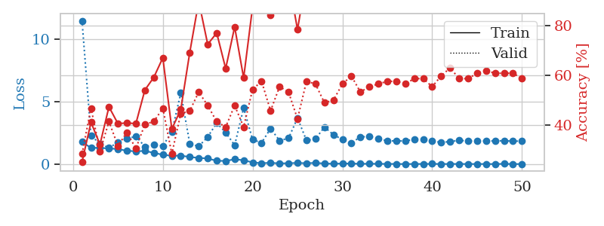
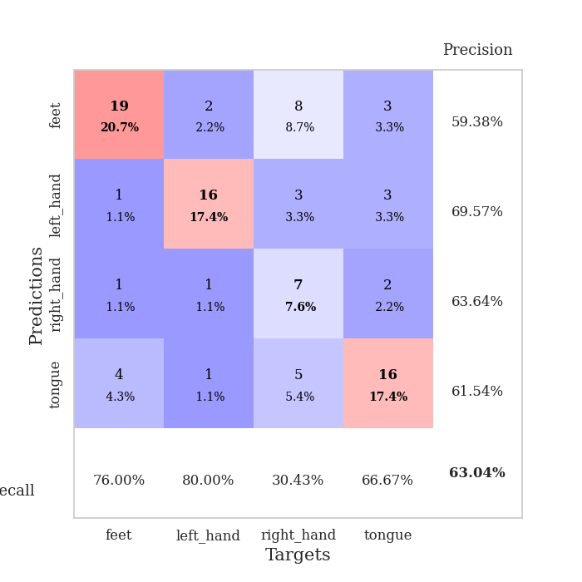
train_loss | valid_loss | train_accuracy | valid_accuracy | dur | train_misclass | valid_misclass
1.7806275098 | 11.495743544 | 0.25 | 0.28260869565 | 1.1513495445 | 25 | 28.260869565
1.2968760107 | 2.2761104003 | 0.41032608696 | 0.46739130435 | 1.1459388733 | 41.032608696 | 46.739130435
1.3025534775 | 1.6348304697 | 0.32065217391 | 0.29347826087 | 1.144523859 | 32.065217391 | 29.347826087
1.2475521513 | 1.293823351 | 0.47282608696 | 0.41304347826 | 1.1477644444 | 47.282608696 | 41.304347826
1.2112678315 | 1.7473755246 | 0.40489130435 | 0.3152173913 | 1.1488649845 | 40.489130435 | 31.52173913
1.0592195236 | 2.0243186536 | 0.40760869565 | 0.36956521739 | 1.1486873627 | 40.760869565 | 36.956521739
1.0286892031 | 2.2269563157 | 0.40489130435 | 0.30434782609 | 1.1484689713 | 40.489130435 | 30.434782609
1.0517971386 | 1.3999431859 | 0.54076086957 | 0.40217391304 | 1.1494879723 | 54.076086957 | 40.217391304
0.90013447015 | 1.5405054974 | 0.59239130435 | 0.41304347826 | 1.1492388248 | 59.239130435 | 41.304347826
0.74213202751 | 1.4637528088 | 0.67119565217 | 0.46739130435 | 1.1496143341 | 67.119565217 | 46.739130435
0.66623669604 | 2.5727410005 | 0.38315217391 | 0.28260869565 | 1.1496818066 | 38.315217391 | 28.260869565
0.67688569491 | 5.6990909576 | 0.46195652174 | 0.44565217391 | 1.1492781639 | 46.195652174 | 44.565217391
0.56881574962 | 1.632507262 | 0.69293478261 | 0.45652173913 | 1.1493554115 | 69.293478261 | 45.652173913
0.49315914576 | 1.4170102814 | 0.89945652174 | 0.53260869565 | 1.1499183178 | 89.945652174 | 53.260869565
0.44872950341 | 2.1780265829 | 0.72554347826 | 0.47826086957 | 1.150270462 | 72.554347826 | 47.826086957
0.26066107109 | 3.2924312509 | 0.77173913043 | 0.41304347826 | 1.1484715939 | 77.173913043 | 41.304347826
0.25219103273 | 2.5300244559 | 0.6277173913 | 0.39130434783 | 1.1505930424 | 62.77173913 | 39.130434783
0.38425358223 | 1.5096545893 | 0.79619565217 | 0.47826086957 | 1.1495659351 | 79.619565217 | 47.826086957
0.30499042506 | 4.495927085 | 0.58967391304 | 0.39130434783 | 1.1496636868 | 58.967391304 | 39.130434783
0.13257052814 | 1.9528788795 | 0.8777173913 | 0.54347826087 | 1.1488337517 | 87.77173913 | 54.347826087
0.068444750272 | 1.7077706638 | 0.97282608696 | 0.57608695652 | 1.1504218578 | 97.282608696 | 57.608695652
0.10039572489 | 2.8502824099 | 0.84510869565 | 0.45652173913 | 1.1494102478 | 84.510869565 | 45.652173913
0.051761149591 | 1.8808193414 | 0.97282608696 | 0.55434782609 | 1.1482248306 | 97.282608696 | 55.434782609
0.066775334867 | 2.0723605363 | 0.98913043478 | 0.53260869565 | 1.149089098 | 98.913043478 | 53.260869565
0.091485725554 | 3.6900799793 | 0.78532608696 | 0.42391304348 | 1.1500742435 | 78.532608696 | 42.391304348
0.063821046056 | 1.8943059393 | 1 | 0.57608695652 | 1.1497366428 | 100 | 57.608695652
0.095337308943 | 2.0169874378 | 0.93206521739 | 0.5652173913 | 1.1501376629 | 93.206521739 | 56.52173913
0.042939990921 | 2.9670749229 | 0.97554347826 | 0.48913043478 | 1.1497638226 | 97.554347826 | 48.913043478
0.026637397327 | 2.3547738583 | 0.98097826087 | 0.5 | 1.1499004364 | 98.097826087 | 50
0.045270728211 | 1.9671342995 | 0.94836956522 | 0.5652173913 | 1.1495606899 | 94.836956522 | 56.52173913
0.044563646636 | 1.6855881266 | 1 | 0.59782608696 | 1.1496310234 | 100 | 59.782608696
0.018826362505 | 2.1852506347 | 0.98913043478 | 0.53260869565 | 1.1490323544 | 98.913043478 | 53.260869565
0.028598302439 | 2.2025646438 | 0.9972826087 | 0.55434782609 | 1.1490757465 | 99.72826087 | 55.434782609
0.019466887188 | 2.0491680373 | 0.9972826087 | 0.5652173913 | 1.1501228809 | 99.72826087 | 56.52173913
0.01385515684 | 1.8599453076 | 1 | 0.57608695652 | 1.1495523453 | 100 | 57.608695652
0.010504545787 | 1.8601473518 | 1 | 0.57608695652 | 1.1503453255 | 100 | 57.608695652
0.0039066585267 | 1.8487831613 | 1 | 0.5652173913 | 1.1493074894 | 100 | 56.52173913
0.0094709905932 | 1.9955334974 | 1 | 0.58695652174 | 1.1496863365 | 100 | 58.695652174
0.0097995247102 | 1.9968832368 | 1 | 0.58695652174 | 1.1498146057 | 100 | 58.695652174
0.017062847529 | 1.8407156571 | 1 | 0.55434782609 | 1.150365591 | 100 | 55.434782609
0.0064170468262 | 1.7387604921 | 1 | 0.59782608696 | 1.1494128704 | 100 | 59.782608696
0.0097403973797 | 1.8009575761 | 1 | 0.63043478261 | 1.1506519318 | 100 | 63.043478261
0.010944208824 | 1.8980019404 | 1 | 0.58695652174 | 1.1496942043 | 100 | 58.695652174
0.0039496554831 | 1.8499132861 | 1 | 0.58695652174 | 1.1497988701 | 100 | 58.695652174
0.0071200293631 | 1.8524767316 | 1 | 0.60869565217 | 1.1510102749 | 100 | 60.869565217
0.0068535680134 | 1.8517915062 | 1 | 0.61956521739 | 1.1503286362 | 100 | 61.956521739
0.0021426562497 | 1.8537794714 | 1 | 0.60869565217 | 1.1515655518 | 100 | 60.869565217
0.020139190897 | 1.8722770214 | 1 | 0.60869565217 | 1.1506364346 | 100 | 60.869565217
0.0030662626434 | 1.8306180602 | 1 | 0.60869565217 | 1.1516368389 | 100 | 60.869565217
0.0049209349033 | 1.8463702098 | 1 | 0.58695652174 | 1.1504666805 | 100 | 58.695652174

Best Val accuracy is 0.6304347826086957 and Best test accuracy is 0.5862068965517241

Sheet5
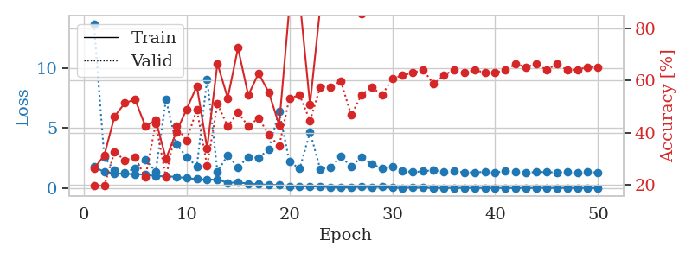
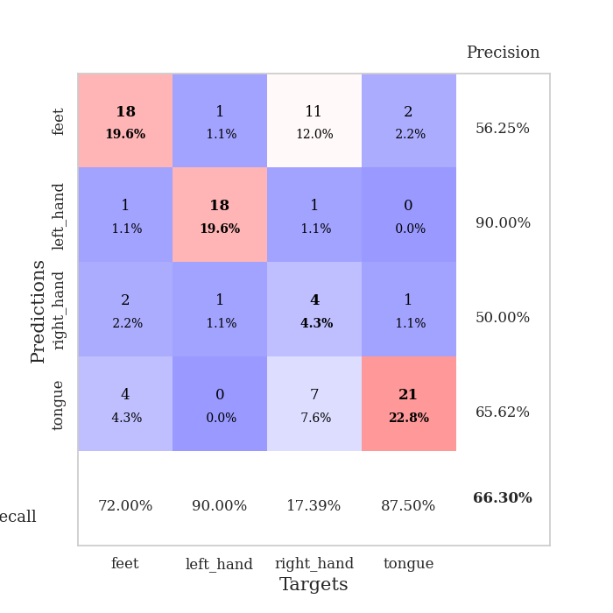
train_loss | valid_loss | train_accuracy | valid_accuracy | dur | train_misclass | valid_misclass
1.7666736064 | 13.726222163 | 0.26086956522 | 0.19565217391 | 1.1506931782 | 26.086956522 | 19.565217391
1.3508913595 | 2.5857888408 | 0.3125 | 0.19565217391 | 1.1465764046 | 31.25 | 19.565217391
1.2366188661 | 1.4731344503 | 0.46195652174 | 0.32608695652 | 1.149348259 | 46.195652174 | 32.608695652
1.1805837051 | 1.2797102462 | 0.51358695652 | 0.29347826087 | 1.1467325687 | 51.358695652 | 29.347826087
1.1593702487 | 1.6470709003 | 0.52717391304 | 0.30434782609 | 1.148119688 | 52.717391304 | 30.434782609
1.1252839021 | 2.371385932 | 0.42391304348 | 0.22826086957 | 1.149285078 | 42.391304348 | 22.826086957
0.99481649243 | 1.3734993313 | 0.44836956522 | 0.4347826087 | 1.1483654976 | 44.836956522 | 43.47826087
0.98185699142 | 7.3850436833 | 0.29891304348 | 0.22826086957 | 1.1496286392 | 29.891304348 | 22.826086957
0.93197555127 | 3.6854423855 | 0.40217391304 | 0.42391304348 | 1.1471278667 | 40.217391304 | 42.391304348
0.82814210653 | 2.5988754552 | 0.48913043478 | 0.36956521739 | 1.1480033398 | 48.913043478 | 36.956521739
0.75058688029 | 1.8088430736 | 0.57880434783 | 0.48913043478 | 1.1477854252 | 57.880434783 | 48.913043478
0.69898978394 | 9.0948852456 | 0.33967391304 | 0.27173913043 | 1.149712801 | 33.967391304 | 27.173913043
0.71262726706 | 1.3771065474 | 0.66576086957 | 0.51086956522 | 1.1484661102 | 66.576086957 | 51.086956522
0.43737257564 | 2.7237281385 | 0.53260869565 | 0.42391304348 | 1.1493880749 | 53.260869565 | 42.391304348
0.46994528563 | 1.7383864392 | 0.72554347826 | 0.47826086957 | 1.1477005482 | 72.554347826 | 47.826086957
0.37077378968 | 2.5983070187 | 0.54347826087 | 0.42391304348 | 1.1486515999 | 54.347826087 | 42.391304348
0.31633411186 | 2.5080966638 | 0.6277173913 | 0.45652173913 | 1.1492145061 | 62.77173913 | 45.652173913
0.26957064543 | 3.2479778787 | 0.55434782609 | 0.39130434783 | 1.1492128372 | 55.434782609 | 39.130434783
0.25728744204 | 6.4079532623 | 0.42934782609 | 0.34782608696 | 1.1492643356 | 42.934782609 | 34.782608696
0.15823479086 | 2.2078902514 | 0.88586956522 | 0.53260869565 | 1.1491835117 | 88.586956522 | 53.260869565
0.13172102468 | 1.614017103 | 0.91032608696 | 0.54347826087 | 1.1502490044 | 91.032608696 | 54.347826087
0.14430044304 | 4.6690374043 | 0.50815217391 | 0.44565217391 | 1.1486945152 | 50.815217391 | 44.565217391
0.10442041347 | 1.5764074326 | 0.88315217391 | 0.57608695652 | 1.1478567123 | 88.315217391 | 57.608695652
0.080901643889 | 1.7360955218 | 0.96195652174 | 0.57608695652 | 1.1505804062 | 96.195652174 | 57.608695652
0.04529305099 | 2.6197445185 | 0.96739130435 | 0.59782608696 | 1.1484463215 | 96.739130435 | 59.782608696
0.05861075103 | 1.8064147908 | 0.95923913043 | 0.46739130435 | 1.1484200954 | 95.923913043 | 46.739130435
0.10108359342 | 2.5639079654 | 0.85597826087 | 0.54347826087 | 1.1481769085 | 85.597826087 | 54.347826087
0.074565505508 | 1.979552155 | 0.90217391304 | 0.57608695652 | 1.1479969025 | 90.217391304 | 57.608695652
0.094164432593 | 1.6599578235 | 0.97282608696 | 0.54347826087 | 1.1478738785 | 97.282608696 | 54.347826087
0.025890431362 | 1.7703074476 | 1 | 0.60869565217 | 1.1489803791 | 100 | 60.869565217
0.011530303796 | 1.4570438344 | 1 | 0.61956521739 | 1.1485388279 | 100 | 61.956521739
0.032702707058 | 1.3206662769 | 1 | 0.63043478261 | 1.1481287479 | 100 | 63.043478261
0.023428004635 | 1.3999790109 | 1 | 0.64130434783 | 1.1502161026 | 100 | 64.130434783
0.01151457349 | 1.4949054096 | 1 | 0.58695652174 | 1.1480498314 | 100 | 58.695652174
0.0049144475387 | 1.3661055098 | 1 | 0.61956521739 | 1.1481792927 | 100 | 61.956521739
0.013806152385 | 1.4028654254 | 1 | 0.64130434783 | 1.1485424042 | 100 | 64.130434783
0.010008773455 | 1.3161280363 | 1 | 0.63043478261 | 1.1489949226 | 100 | 63.043478261
0.0053339209154 | 1.3067711695 | 1 | 0.64130434783 | 1.1488101482 | 100 | 64.130434783
0.0055033939349 | 1.3602807988 | 1 | 0.63043478261 | 1.1490883827 | 100 | 63.043478261
0.0066254140136 | 1.2942780982 | 1 | 0.63043478261 | 1.1497750282 | 100 | 63.043478261
0.0059666837016 | 1.431749121 | 1 | 0.64130434783 | 1.1500263214 | 100 | 64.130434783
0.0032747081638 | 1.3565061455 | 1 | 0.66304347826 | 1.1506779194 | 100 | 66.304347826
0.0026097524957 | 1.3056000523 | 1 | 0.65217391304 | 1.1491837502 | 100 | 65.217391304
0.010830762284 | 1.3283778325 | 1 | 0.66304347826 | 1.1493415833 | 100 | 66.304347826
0.0096940046098 | 1.3535403791 | 1 | 0.64130434783 | 1.1518919468 | 100 | 64.130434783
0.01055845896 | 1.2866041919 | 1 | 0.66304347826 | 1.1503214836 | 100 | 66.304347826
0.015818813244 | 1.3650115936 | 1 | 0.64130434783 | 1.1508476734 | 100 | 64.130434783
0.0051634185062 | 1.2661582024 | 1 | 0.64130434783 | 1.1505496502 | 100 | 64.130434783
0.0027995467864 | 1.3247764162 | 1 | 0.65217391304 | 1.1510140896 | 100 | 65.217391304
0.0024577809267 | 1.3039735089 | 1 | 0.65217391304 | 1.1499197483 | 100 | 65.217391304

Best Val accuracy is 0.6630434782608695 and Best test accuracy is 0.6293103448275862

Sheet6
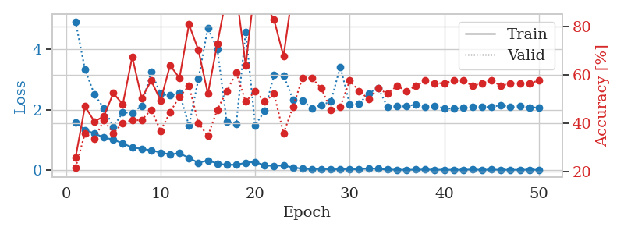
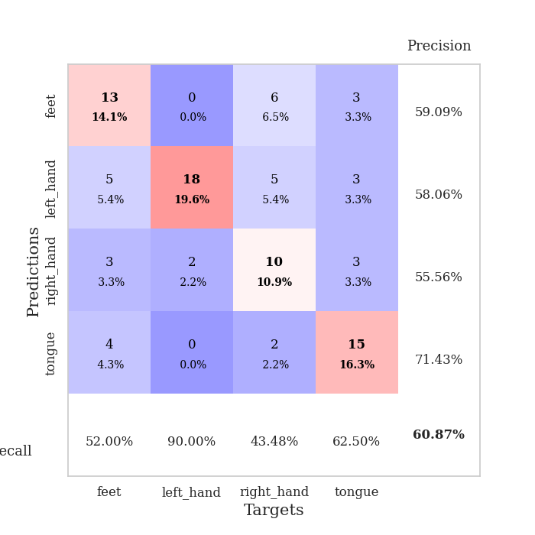
train_loss | valid_loss | train_accuracy | valid_accuracy | dur | train_misclass | valid_misclass
1.5841685171 | 4.9325737124 | 0.25815217391 | 0.21739130435 | 1.1508479118 | 25.815217391 | 21.739130435
1.3278665258 | 3.3435160388 | 0.47010869565 | 0.35869565217 | 1.1460487843 | 47.010869565 | 35.869565217
1.208824987 | 2.5013825893 | 0.40760869565 | 0.33695652174 | 1.1465945244 | 40.760869565 | 33.695652174
1.0778673369 | 2.051754371 | 0.42934782609 | 0.41304347826 | 1.1489946842 | 42.934782609 | 41.304347826
1.0053043262 | 1.4325835964 | 0.52445652174 | 0.35869565217 | 1.1466829777 | 52.445652174 | 35.869565217
0.87983858326 | 1.9066844816 | 0.47826086957 | 0.40217391304 | 1.1497161388 | 47.826086957 | 40.217391304
0.74482792098 | 1.8970445861 | 0.67391304348 | 0.41304347826 | 1.1500439644 | 67.391304348 | 41.304347826
0.70213197107 | 2.1315810266 | 0.5027173913 | 0.41304347826 | 1.1496758461 | 50.27173913 | 41.304347826
0.65006511496 | 3.2684496797 | 0.57608695652 | 0.45652173913 | 1.1494905949 | 57.608695652 | 45.652173913
0.57747406156 | 2.5220854697 | 0.49456521739 | 0.36956521739 | 1.1477429867 | 49.456521739 | 36.956521739
0.51478913945 | 2.4707214832 | 0.63858695652 | 0.44565217391 | 1.1488952637 | 63.858695652 | 44.565217391
0.55492537436 | 2.5514792359 | 0.58695652174 | 0.51086956522 | 1.1495738029 | 58.695652174 | 51.086956522
0.39491117486 | 1.4653043073 | 0.80706521739 | 0.55434782609 | 1.1497068405 | 80.706521739 | 55.434782609
0.23361366809 | 3.0222580951 | 0.70108695652 | 0.40217391304 | 1.1490101814 | 70.108695652 | 40.217391304
0.31624243376 | 4.7253367797 | 0.52173913043 | 0.34782608696 | 1.1508374214 | 52.173913043 | 34.782608696
0.20983979446 | 4.0195841167 | 0.72826086957 | 0.45652173913 | 1.1507809162 | 72.826086957 | 45.652173913
0.16783281124 | 1.5894539201 | 0.92934782609 | 0.53260869565 | 1.1497519016 | 92.934782609 | 53.260869565
0.1734546325 | 1.5293622432 | 0.9375 | 0.60869565217 | 1.150223732 | 93.75 | 60.869565217
0.23235042555 | 4.58393524 | 0.63858695652 | 0.48913043478 | 1.1502254009 | 63.858695652 | 48.913043478
0.26672887478 | 1.4851155851 | 0.97554347826 | 0.53260869565 | 1.1503822803 | 97.554347826 | 53.260869565
0.14302046642 | 1.9577124948 | 0.89673913043 | 0.48913043478 | 1.1503045559 | 89.673913043 | 48.913043478
0.1355868501 | 3.1523310309 | 0.82608695652 | 0.52173913043 | 1.1511044502 | 82.608695652 | 52.173913043
0.14280860422 | 3.1441352678 | 0.67663043478 | 0.35869565217 | 1.1500833035 | 67.663043478 | 35.869565217
0.081529884984 | 2.3339908123 | 0.95380434783 | 0.46739130435 | 1.1508169174 | 95.380434783 | 46.739130435
0.038956001654 | 2.3037874595 | 0.99456521739 | 0.58695652174 | 1.1499731541 | 99.456521739 | 58.695652174
0.019372810448 | 2.0415118466 | 1 | 0.58695652174 | 1.1501038074 | 100 | 58.695652174
0.032292522353 | 2.1581953816 | 0.9972826087 | 0.54347826087 | 1.1503536701 | 99.72826087 | 54.347826087
0.016899418015 | 2.2629593352 | 0.9972826087 | 0.45652173913 | 1.1494786739 | 99.72826087 | 45.652173913
0.018208462669 | 3.4278957947 | 0.95923913043 | 0.46739130435 | 1.1512916088 | 95.923913043 | 46.739130435
0.028669538303 | 2.1822682982 | 1 | 0.57608695652 | 1.1497058868 | 100 | 57.608695652
0.01180853618 | 2.1991372212 | 1 | 0.53260869565 | 1.1506471634 | 100 | 53.260869565
0.050410268935 | 2.5448261966 | 0.99184782609 | 0.5 | 1.1497166157 | 99.184782609 | 50
0.034842266729 | 2.725802463 | 0.99456521739 | 0.54347826087 | 1.1516363621 | 99.456521739 | 54.347826087
0.0098899092409 | 2.0906471377 | 1 | 0.52173913043 | 1.1504962444 | 100 | 52.173913043
0.006686692841 | 2.1075823825 | 1 | 0.55434782609 | 1.1504833698 | 100 | 55.434782609
0.0027608982529 | 2.1134526004 | 1 | 0.53260869565 | 1.1516256332 | 100 | 53.260869565
0.007863641819 | 2.1771853074 | 1 | 0.55434782609 | 1.150873661 | 100 | 55.434782609
0.01014632611 | 2.1016057782 | 1 | 0.57608695652 | 1.1508340836 | 100 | 57.608695652
0.0056377616724 | 2.1292315877 | 1 | 0.5652173913 | 1.1514074802 | 100 | 56.52173913
0.0050129275706 | 2.0439876473 | 1 | 0.5652173913 | 1.1507861614 | 100 | 56.52173913
0.0044510966994 | 2.0354007845 | 1 | 0.57608695652 | 1.1510529518 | 100 | 57.608695652
0.0042637257619 | 2.0561532456 | 1 | 0.57608695652 | 1.1507389545 | 100 | 57.608695652
0.013015296582 | 2.0817358286 | 1 | 0.55434782609 | 1.1509826183 | 100 | 55.434782609
0.0018197611751 | 2.0857991861 | 1 | 0.5652173913 | 1.1509728432 | 100 | 56.52173913
0.009265626682 | 2.0884772487 | 1 | 0.57608695652 | 1.1512815952 | 100 | 57.608695652
0.0024894532474 | 2.1568122325 | 1 | 0.55434782609 | 1.1515040398 | 100 | 55.434782609
0.0024295305465 | 2.0816536883 | 1 | 0.5652173913 | 1.1502125263 | 100 | 56.52173913
0.0028489220618 | 2.1215138954 | 1 | 0.5652173913 | 1.1509616375 | 100 | 56.52173913
0.0061032301873 | 2.0782315835 | 1 | 0.5652173913 | 1.1514954567 | 100 | 56.52173913
0.0013852946178 | 2.0669186323 | 1 | 0.57608695652 | 1.1510152817 | 100 | 57.608695652

Best Val accuracy is 0.6086956521739131 and Best test accuracy is 0.5517241379310345

Sheet7
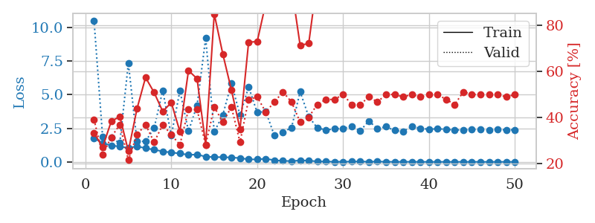
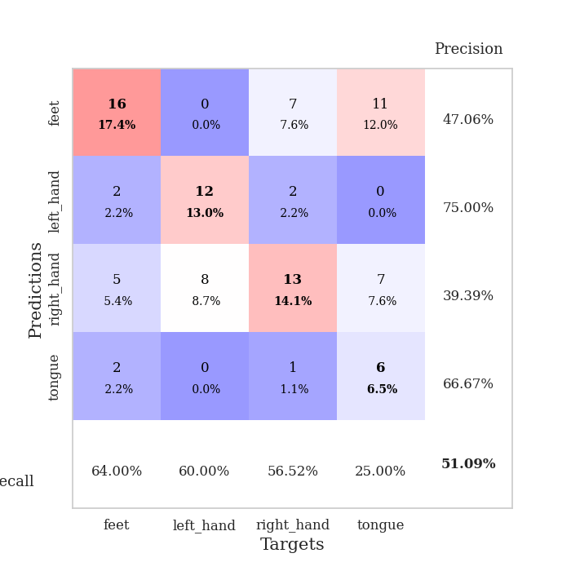
train_loss | valid_loss | train_accuracy | valid_accuracy | dur | train_misclass | valid_misclass
1.7808218728 | 10.516858225 | 0.33423913043 | 0.39130434783 | 1.1498835087 | 33.423913043 | 39.130434783
1.3879339799 | 1.8644363932 | 0.27173913043 | 0.23913043478 | 1.1459715366 | 27.173913043 | 23.913043478
1.2297384998 | 1.7918741651 | 0.38315217391 | 0.3152173913 | 1.1501541138 | 38.315217391 | 31.52173913
1.1379884378 | 1.3989631249 | 0.40489130435 | 0.36956521739 | 1.1499891281 | 40.489130435 | 36.956521739
1.0437256098 | 7.3482760554 | 0.25543478261 | 0.21739130435 | 1.1498906612 | 25.543478261 | 21.739130435
1.1538816405 | 1.527590591 | 0.4375 | 0.32608695652 | 1.1494235992 | 43.75 | 32.608695652
1.0185920726 | 1.5254135702 | 0.57336956522 | 0.36956521739 | 1.1495783329 | 57.336956522 | 36.956521739
0.90395162676 | 2.518078918 | 0.50815217391 | 0.29347826087 | 1.1501464844 | 50.815217391 | 29.347826087
0.78323508346 | 5.3074526787 | 0.42663043478 | 0.36956521739 | 1.1499049664 | 42.663043478 | 36.956521739
0.69341925564 | 1.9509051675 | 0.46467391304 | 0.32608695652 | 1.150765419 | 46.467391304 | 32.608695652
0.63157204701 | 5.2956621543 | 0.33967391304 | 0.28260869565 | 1.1497774124 | 33.967391304 | 28.260869565
0.51854830268 | 2.2858796379 | 0.60326086957 | 0.4347826087 | 1.1498477459 | 60.326086957 | 43.47826087
0.55146587802 | 4.1946368425 | 0.56793478261 | 0.4347826087 | 1.1515464783 | 56.793478261 | 43.47826087
0.38782869862 | 9.2079077596 | 0.28260869565 | 0.28260869565 | 1.1507639885 | 28.260869565 | 28.260869565
0.35618752986 | 2.2321949834 | 0.84782608696 | 0.44565217391 | 1.150270462 | 84.782608696 | 44.565217391
0.3512831272 | 3.4948501483 | 0.67391304348 | 0.38043478261 | 1.1500971317 | 67.391304348 | 38.043478261
0.32621931317 | 5.8540519424 | 0.51902173913 | 0.44565217391 | 1.1493144035 | 51.902173913 | 44.565217391
0.28491039315 | 3.4703011824 | 0.35054347826 | 0.29347826087 | 1.1494295597 | 35.054347826 | 29.347826087
0.1873116703 | 5.5736693507 | 0.72554347826 | 0.47826086957 | 1.1493864059 | 72.554347826 | 47.826086957
0.18496695193 | 3.6750689175 | 0.72826086957 | 0.48913043478 | 1.1513853073 | 72.826086957 | 48.913043478
0.23576580442 | 3.7537576012 | 0.89402173913 | 0.42391304348 | 1.1509151459 | 89.402173913 | 42.391304348
0.12185021595 | 1.9520275385 | 0.98369565217 | 0.46739130435 | 1.149245739 | 98.369565217 | 46.739130435
0.076585657814 | 2.2031367136 | 0.95652173913 | 0.51086956522 | 1.1501412392 | 95.652173913 | 51.086956522
0.061058021363 | 2.5502145498 | 0.96467391304 | 0.46739130435 | 1.1512873173 | 96.467391304 | 46.739130435
0.1071836129 | 5.2154065215 | 0.71195652174 | 0.38043478261 | 1.1496543884 | 71.195652174 | 38.043478261
0.097623423876 | 3.3559546782 | 0.72010869565 | 0.40217391304 | 1.1499378681 | 72.010869565 | 40.217391304
0.033296326681 | 2.5316791534 | 0.9972826087 | 0.45652173913 | 1.1495175362 | 99.72826087 | 45.652173913
0.026750411778 | 2.3715649066 | 1 | 0.47826086957 | 1.1504011154 | 100 | 47.826086957
0.011676318673 | 2.4529564588 | 1 | 0.47826086957 | 1.1506547928 | 100 | 47.826086957
0.013139675554 | 2.4903093525 | 1 | 0.5 | 1.1505727768 | 100 | 50
0.026055416244 | 2.6402121834 | 1 | 0.45652173913 | 1.150752306 | 100 | 45.652173913
0.028901682008 | 2.3185308602 | 1 | 0.45652173913 | 1.1506676674 | 100 | 45.652173913
0.012836260617 | 3.0396205861 | 0.9972826087 | 0.48913043478 | 1.1517207623 | 99.72826087 | 48.913043478
0.024283081749 | 2.4741883589 | 1 | 0.46739130435 | 1.1507730484 | 100 | 46.739130435
0.011450409782 | 2.6188292918 | 1 | 0.5 | 1.1528298855 | 100 | 50
0.0065010863447 | 2.3384558014 | 1 | 0.5 | 1.1515831947 | 100 | 50
0.0090218282877 | 2.264780397 | 1 | 0.48913043478 | 1.1526579857 | 100 | 48.913043478
0.0089073587619 | 2.6329159322 | 1 | 0.5 | 1.1512551308 | 100 | 50
0.0062122320802 | 2.4948664334 | 1 | 0.48913043478 | 1.1513469219 | 100 | 48.913043478
0.0030001583256 | 2.431368154 | 1 | 0.5 | 1.1514291763 | 100 | 50
0.0026882379506 | 2.4599322132 | 1 | 0.5 | 1.1507465839 | 100 | 50
0.004695531692 | 2.4274095349 | 1 | 0.47826086957 | 1.1511986256 | 100 | 47.826086957
0.0049295384581 | 2.3694290078 | 1 | 0.45652173913 | 1.1523089409 | 100 | 45.652173913
0.004205165572 | 2.3821089164 | 1 | 0.51086956522 | 1.1514720917 | 100 | 51.086956522
0.0063758464268 | 2.4056771216 | 1 | 0.5 | 1.152711153 | 100 | 50
0.0026706913524 | 2.4247526915 | 1 | 0.5 | 1.1513113976 | 100 | 50
0.0028807931433 | 2.3785140514 | 1 | 0.5 | 1.1518802643 | 100 | 50
0.0032168468891 | 2.3951871602 | 1 | 0.5 | 1.1524097919 | 100 | 50
0.0040113420628 | 2.3837457429 | 1 | 0.48913043478 | 1.152244091 | 100 | 48.913043478
0.0037845062679 | 2.3836041015 | 1 | 0.5 | 1.1517350674 | 100 | 50

Best Val accuracy is 0.5108695652173914 and Best test accuracy is 0.5086206896551724

Sheet8
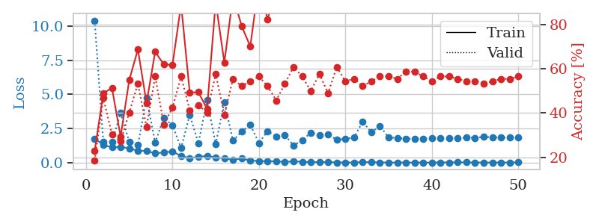
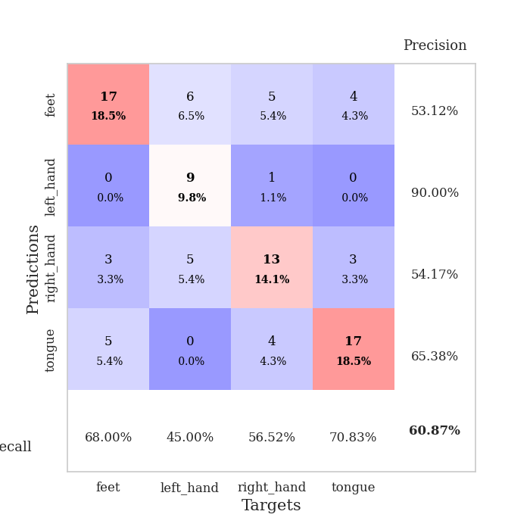
train_loss | valid_loss | train_accuracy | valid_accuracy | dur | train_misclass | valid_misclass
1.7601337977 | 10.396272411 | 0.22826086957 | 0.1847826087 | 1.1529281139 | 22.826086957 | 18.47826087
1.2959436748 | 1.4959692178 | 0.48913043478 | 0.46739130435 | 1.1470103264 | 48.913043478 | 46.739130435
1.1147936297 | 1.4927736365 | 0.51358695652 | 0.30434782609 | 1.1489276886 | 51.358695652 | 30.434782609
1.1424158267 | 3.6234580745 | 0.29347826087 | 0.27173913043 | 1.1497941017 | 29.347826087 | 27.173913043
1.0532484366 | 1.537029059 | 0.54891304348 | 0.40217391304 | 1.1497602463 | 54.891304348 | 40.217391304
0.86398532857 | 1.2728615792 | 0.6875 | 0.53260869565 | 1.1502561569 | 68.75 | 53.260869565
0.86001347588 | 4.7190612917 | 0.44565217391 | 0.33695652174 | 1.1496284008 | 44.565217391 | 33.695652174
0.67626716132 | 1.4615910053 | 0.67663043478 | 0.5652173913 | 1.1503181458 | 67.663043478 | 56.52173913
0.74955994215 | 3.2827893651 | 0.61956521739 | 0.34782608696 | 1.1501026154 | 61.956521739 | 34.782608696
0.80919535652 | 2.7272476424 | 0.61684782609 | 0.42391304348 | 1.1495378017 | 61.684782609 | 42.391304348
0.49469411891 | 1.0712094981 | 0.89130434783 | 0.5652173913 | 1.1498799324 | 89.130434783 | 56.52173913
0.31154874485 | 3.4927911758 | 0.49184782609 | 0.41304347826 | 1.1497135162 | 49.184782609 | 41.304347826
0.44372849296 | 1.4258238129 | 0.49456521739 | 0.4347826087 | 1.1500029564 | 49.456521739 | 43.47826087
0.47668059948 | 4.5582846973 | 0.41847826087 | 0.40217391304 | 1.1500384808 | 41.847826087 | 40.217391304
0.38159259603 | 1.3498816749 | 0.90217391304 | 0.57608695652 | 1.1500480175 | 90.217391304 | 57.608695652
0.31017690654 | 4.4254408297 | 0.6277173913 | 0.39130434783 | 1.1493165493 | 62.77173913 | 39.130434783
0.21696795831 | 1.617232898 | 0.92934782609 | 0.55434782609 | 1.1487858295 | 92.934782609 | 55.434782609
0.29785600612 | 2.2600729673 | 0.79347826087 | 0.52173913043 | 1.1501502991 | 79.347826087 | 52.173913043
0.16255619725 | 2.7841831705 | 0.70108695652 | 0.54347826087 | 1.1490638256 | 70.108695652 | 54.347826087
0.11541757603 | 1.4301889461 | 0.99184782609 | 0.5652173913 | 1.1498494148 | 99.184782609 | 56.52173913
0.10782469113 | 2.3045996168 | 0.82336956522 | 0.52173913043 | 1.1494133472 | 82.336956522 | 52.173913043
0.096808564039 | 1.9171238049 | 0.95923913043 | 0.45652173913 | 1.149917841 | 95.923913043 | 45.652173913
0.049424164848 | 2.0092264984 | 1 | 0.53260869565 | 1.1507339478 | 100 | 53.260869565
0.096866744631 | 1.2551833028 | 0.97282608696 | 0.60869565217 | 1.1498539448 | 97.282608696 | 60.869565217
0.065530147687 | 1.631293048 | 1 | 0.5652173913 | 1.1512258053 | 100 | 56.52173913
0.037321179974 | 2.1922274465 | 0.95652173913 | 0.5 | 1.1495609283 | 95.652173913 | 50
0.029814958846 | 1.9871195503 | 0.9972826087 | 0.57608695652 | 1.1508386135 | 99.72826087 | 57.608695652
0.042759275924 | 2.0378629332 | 0.98913043478 | 0.48913043478 | 1.1504294872 | 98.913043478 | 48.913043478
0.015375334203 | 1.6847056617 | 1 | 0.60869565217 | 1.1512486935 | 100 | 60.869565217
0.01222238965 | 1.7271868975 | 1 | 0.54347826087 | 1.1496489048 | 100 | 54.347826087
0.01022493369 | 1.8339607612 | 1 | 0.55434782609 | 1.1513328552 | 100 | 55.434782609
0.03734452141 | 3.0014256394 | 0.92663043478 | 0.52173913043 | 1.1504743099 | 92.663043478 | 52.173913043
0.033642543515 | 2.2147565821 | 1 | 0.54347826087 | 1.1507427692 | 100 | 54.347826087
0.015204445578 | 2.6820245929 | 0.99184782609 | 0.5652173913 | 1.1504721642 | 99.184782609 | 56.52173913
0.0056169070557 | 1.8467804142 | 1 | 0.5652173913 | 1.1515474319 | 100 | 56.52173913
0.0033966123896 | 1.8028218954 | 1 | 0.55434782609 | 1.1509244442 | 100 | 55.434782609
0.010843913448 | 1.7482070819 | 1 | 0.58695652174 | 1.1508791447 | 100 | 58.695652174
0.0051560306456 | 1.7539683425 | 1 | 0.58695652174 | 1.1497051716 | 100 | 58.695652174
0.0030749051404 | 1.7518274784 | 1 | 0.5652173913 | 1.1510238647 | 100 | 56.52173913
0.0042352220917 | 1.7954783958 | 1 | 0.54347826087 | 1.1509215832 | 100 | 54.347826087
0.01376225668 | 1.7823690021 | 1 | 0.5652173913 | 1.1515283585 | 100 | 56.52173913
0.015046120783 | 1.780238929 | 1 | 0.5652173913 | 1.1507697105 | 100 | 56.52173913
0.017979648941 | 1.7941849335 | 1 | 0.55434782609 | 1.1511116028 | 100 | 55.434782609
0.02229418825 | 1.8333676483 | 1 | 0.54347826087 | 1.1507132053 | 100 | 54.347826087
0.0032011073022 | 1.8142818679 | 1 | 0.54347826087 | 1.1518099308 | 100 | 54.347826087
0.011874282119 | 1.8788772044 | 1 | 0.53260869565 | 1.1513035297 | 100 | 53.260869565
0.0069960058115 | 1.8606488186 | 1 | 0.54347826087 | 1.1525418758 | 100 | 54.347826087
0.00775646432 | 1.8308525396 | 1 | 0.55434782609 | 1.1517486572 | 100 | 55.434782609
0.0075289837424 | 1.8420345576 | 1 | 0.55434782609 | 1.1517937183 | 100 | 55.434782609
0.019365256232 | 1.8425952352 | 1 | 0.5652173913 | 1.1516258717 | 100 | 56.52173913

Best Val accuracy is 0.6086956521739131 and Best test accuracy is 0.4396551724137931

Sheet9
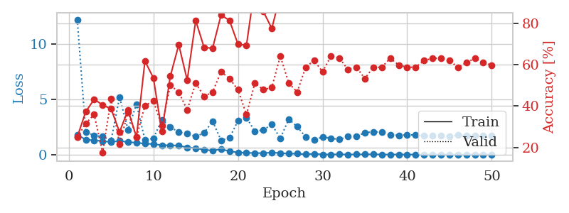
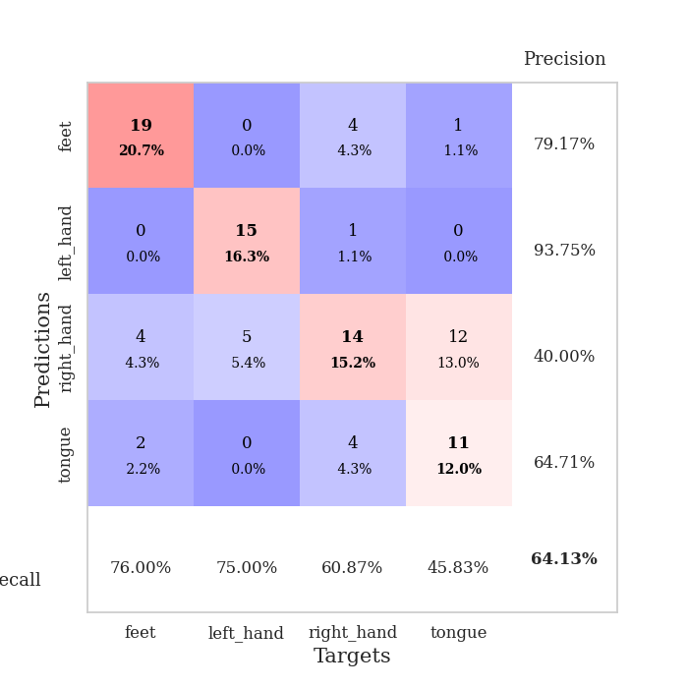
train_loss | valid_loss | train_accuracy | valid_accuracy | dur | train_misclass | valid_misclass
1.7973259376 | 12.247392903 | 0.25 | 0.25 | 1.1503348351 | 25 | 25
1.3624865179 | 2.075734833 | 0.3722826087 | 0.3152173913 | 1.146292448 | 37.22826087 | 31.52173913
1.2866952782 | 1.724853329 | 0.43206521739 | 0.35869565217 | 1.1496007442 | 43.206521739 | 35.869565217
1.228414577 | 1.6370352662 | 0.40489130435 | 0.17391304348 | 1.1483182907 | 40.489130435 | 17.391304348
1.133183272 | 1.2926481651 | 0.38586956522 | 0.4347826087 | 1.1503946781 | 38.586956522 | 43.47826087
1.2497713255 | 5.2094196444 | 0.27445652174 | 0.21739130435 | 1.1489326954 | 27.445652174 | 21.739130435
1.1239809575 | 2.2671015574 | 0.38043478261 | 0.36956521739 | 1.1500885487 | 38.043478261 | 36.956521739
1.0882865009 | 4.585370437 | 0.25 | 0.25 | 1.1498336792 | 25 | 25
0.98547108277 | 1.3415674334 | 0.61684782609 | 0.40217391304 | 1.1501715183 | 61.684782609 | 40.217391304
0.96444175036 | 1.464222312 | 0.53532608696 | 0.42391304348 | 1.1499772072 | 53.532608696 | 42.391304348
0.85103884728 | 3.1669500496 | 0.27717391304 | 0.30434782609 | 1.1504416466 | 27.717391304 | 30.434782609
0.84986154411 | 2.507939857 | 0.54347826087 | 0.5 | 1.1506006718 | 54.347826087 | 50
0.82203001173 | 2.0269774561 | 0.69565217391 | 0.46739130435 | 1.1512019634 | 69.565217391 | 46.739130435
0.64839818296 | 1.9118360488 | 0.52445652174 | 0.38043478261 | 1.1493191719 | 52.445652174 | 38.043478261
0.58937917391 | 1.6347134528 | 0.8125 | 0.51086956522 | 1.1503856182 | 81.25 | 51.086956522
0.44168547444 | 1.9771219958 | 0.68206521739 | 0.44565217391 | 1.1511604786 | 68.206521739 | 44.565217391
0.37321841587 | 3.0260188891 | 0.67934782609 | 0.46739130435 | 1.1514027119 | 67.934782609 | 46.739130435
0.49376189612 | 1.2921997412 | 0.83967391304 | 0.5652173913 | 1.1487295628 | 83.967391304 | 56.52173913
0.30738515504 | 1.5129961553 | 0.8125 | 0.53260869565 | 1.1493735313 | 81.25 | 53.260869565
0.19808638452 | 3.0635592523 | 0.69836956522 | 0.47826086957 | 1.1485500336 | 69.836956522 | 47.826086957
0.17117961804 | 3.3635191503 | 0.69293478261 | 0.35869565217 | 1.148683548 | 69.293478261 | 35.869565217
0.13774766826 | 2.1049905134 | 0.97826086957 | 0.51086956522 | 1.1493749619 | 97.826086957 | 51.086956522
0.13998310308 | 2.2436777198 | 0.85597826087 | 0.47826086957 | 1.1493458748 | 85.597826087 | 47.826086957
0.18616470431 | 2.7419251152 | 0.77445652174 | 0.48913043478 | 1.1499226093 | 77.445652174 | 48.913043478
0.14144350426 | 1.4682997102 | 0.9347826087 | 0.64130434783 | 1.1495206356 | 93.47826087 | 64.130434783
0.093146064217 | 3.210051578 | 0.9402173913 | 0.51086956522 | 1.1508312225 | 94.02173913 | 51.086956522
0.084786678189 | 2.531496048 | 0.91304347826 | 0.46739130435 | 1.1492154598 | 91.304347826 | 46.739130435
0.031117375566 | 1.608651721 | 1 | 0.58695652174 | 1.1493453979 | 100 | 58.695652174
0.074228699238 | 1.3269166117 | 1 | 0.61956521739 | 1.1494972706 | 100 | 61.956521739
0.016702241204 | 1.6044674334 | 1 | 0.5652173913 | 1.1501851082 | 100 | 56.52173913
0.016913544037 | 1.4838494788 | 1 | 0.64130434783 | 1.1500873566 | 100 | 64.130434783
0.025026107824 | 1.3747940789 | 1 | 0.63043478261 | 1.1495406628 | 100 | 63.043478261
0.0091759652132 | 1.6509654004 | 1 | 0.57608695652 | 1.1502525806 | 100 | 57.608695652
0.02100402176 | 1.6782595282 | 1 | 0.58695652174 | 1.1504347324 | 100 | 58.695652174
0.018177230875 | 1.970753846 | 1 | 0.53260869565 | 1.1503574848 | 100 | 53.260869565
0.033787564445 | 2.0763448943 | 1 | 0.58695652174 | 1.1501829624 | 100 | 58.695652174
0.0093993417332 | 2.0275531852 | 1 | 0.58695652174 | 1.1507103443 | 100 | 58.695652174
0.0054467442526 | 1.7685299231 | 1 | 0.63043478261 | 1.1506335735 | 100 | 63.043478261
0.016063935013 | 1.755100271 | 1 | 0.59782608696 | 1.1502346992 | 100 | 59.782608696
0.0033708818525 | 1.7903274039 | 1 | 0.58695652174 | 1.1509821415 | 100 | 58.695652174
0.0060400736149 | 1.7797962272 | 1 | 0.58695652174 | 1.1517925262 | 100 | 58.695652174
0.0040927457752 | 1.7018410849 | 1 | 0.61956521739 | 1.1503388882 | 100 | 61.956521739
0.0039026607809 | 1.6937087515 | 1 | 0.63043478261 | 1.1511940956 | 100 | 63.043478261
0.0037234154575 | 1.7340114842 | 1 | 0.63043478261 | 1.1499931812 | 100 | 63.043478261
0.0069104966976 | 1.6838330704 | 1 | 0.61956521739 | 1.1511330605 | 100 | 61.956521739
0.0035720532925 | 1.7568927641 | 1 | 0.58695652174 | 1.1517264843 | 100 | 58.695652174
0.0030261618047 | 1.741050855 | 1 | 0.60869565217 | 1.1510231495 | 100 | 60.869565217
0.0099950777911 | 1.7234489918 | 1 | 0.63043478261 | 1.1511409283 | 100 | 63.043478261
0.0073509239781 | 1.7001019768 | 1 | 0.60869565217 | 1.1505539417 | 100 | 60.869565217
0.0020964855819 | 1.7346364104 | 1 | 0.59782608696 | 1.1503937244 | 100 | 59.782608696

Best Val accuracy is 0.6413043478260869 and Best test accuracy is 0.5172413793103449

Sheet10
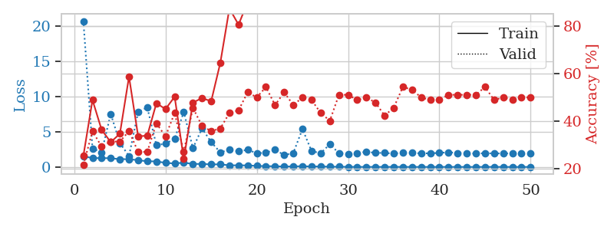
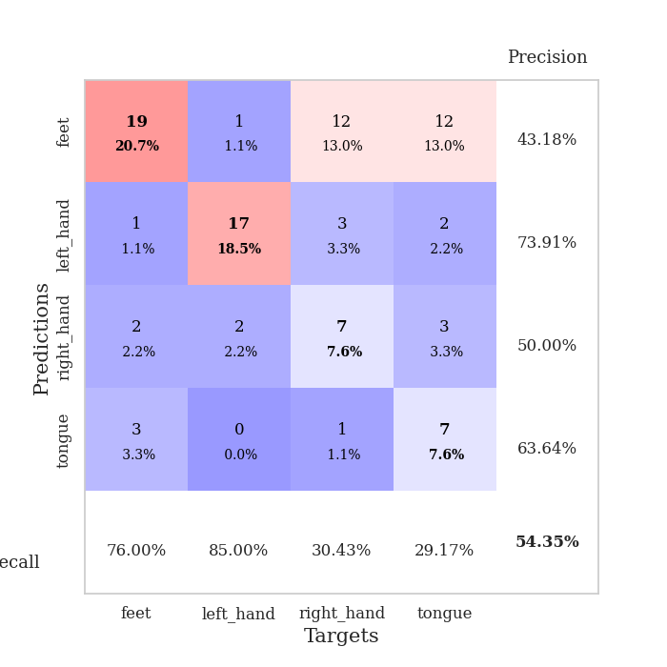
train_loss | valid_loss | train_accuracy | valid_accuracy | dur | train_misclass | valid_misclass
1.5140572424 | 20.706451665 | 0.25543478261 | 0.21739130435 | 1.1514647007 | 25.543478261 | 21.739130435
1.2648841998 | 2.6044089483 | 0.48913043478 | 0.35869565217 | 1.1461277008 | 48.913043478 | 35.869565217
1.2547069866 | 2.088911637 | 0.36413043478 | 0.29347826087 | 1.1478099823 | 36.413043478 | 29.347826087
1.2425329193 | 7.5373842405 | 0.3125 | 0.3152173913 | 1.1495718956 | 31.25 | 31.52173913
1.0991302884 | 3.3917456399 | 0.34782608696 | 0.3152173913 | 1.1489565372 | 34.782608696 | 31.52173913
1.1155473046 | 1.5464243267 | 0.58695652174 | 0.35869565217 | 1.1491603851 | 58.695652174 | 35.869565217
0.95465481022 | 7.8255295132 | 0.33695652174 | 0.27173913043 | 1.148879528 | 33.695652174 | 27.173913043
0.81036570279 | 8.4193955712 | 0.33967391304 | 0.27173913043 | 1.1489486694 | 33.967391304 | 27.173913043
0.78803014496 | 3.1142916472 | 0.47554347826 | 0.39130434783 | 1.1492187977 | 47.554347826 | 39.130434783
0.57965558767 | 3.2954138984 | 0.45108695652 | 0.33695652174 | 1.1505823135 | 45.108695652 | 33.695652174
0.49353758732 | 4.0123467653 | 0.5027173913 | 0.4347826087 | 1.1492283344 | 50.27173913 | 43.47826087
0.6119944058 | 7.7938137469 | 0.24184782609 | 0.27173913043 | 1.1519110203 | 24.184782609 | 27.173913043
0.42302432592 | 2.6609859363 | 0.47826086957 | 0.45652173913 | 1.148178339 | 47.826086957 | 45.652173913
0.432020166 | 5.4722306417 | 0.4972826087 | 0.38043478261 | 1.1506285667 | 49.72826087 | 38.043478261
0.35904088811 | 3.5310028014 | 0.48369565217 | 0.35869565217 | 1.1475169659 | 48.369565217 | 35.869565217
0.37426429436 | 2.0755541947 | 0.64402173913 | 0.36956521739 | 1.1490998268 | 64.402173913 | 36.956521739
0.22708822058 | 2.436640698 | 0.8722826087 | 0.4347826087 | 1.1491672993 | 87.22826087 | 43.47826087
0.23268866766 | 2.2185880101 | 0.80434782609 | 0.44565217391 | 1.1490187645 | 80.434782609 | 44.565217391
0.21684081367 | 2.4408623654 | 0.89945652174 | 0.52173913043 | 1.148768425 | 89.945652174 | 52.173913043
0.15018167513 | 1.9480419574 | 0.98097826087 | 0.5 | 1.1502206326 | 98.097826087 | 50
0.11328891478 | 2.0197298216 | 0.97282608696 | 0.54347826087 | 1.149627924 | 97.282608696 | 54.347826087
0.10219203559 | 2.4589555678 | 0.98369565217 | 0.46739130435 | 1.1498398781 | 98.369565217 | 46.739130435
0.059615660378 | 1.6835039388 | 0.99456521739 | 0.52173913043 | 1.1481556892 | 99.456521739 | 52.173913043
0.077537457054 | 1.9781508757 | 0.98913043478 | 0.46739130435 | 1.1490721703 | 98.913043478 | 46.739130435
0.10860708289 | 5.3902144017 | 0.8722826087 | 0.5 | 1.148276329 | 87.22826087 | 50
0.064639238205 | 2.2475867686 | 0.96739130435 | 0.48913043478 | 1.1494655609 | 96.739130435 | 48.913043478
0.069250159209 | 1.9547874928 | 1 | 0.4347826087 | 1.1493887901 | 100 | 43.47826087
0.036554250471 | 3.2286945426 | 0.90489130435 | 0.40217391304 | 1.1495921612 | 90.489130435 | 40.217391304
0.032222686092 | 1.9600184586 | 1 | 0.51086956522 | 1.1488313675 | 100 | 51.086956522
0.017178535016 | 1.7869258342 | 1 | 0.51086956522 | 1.1498990059 | 100 | 51.086956522
0.0098024514914 | 1.955994606 | 1 | 0.48913043478 | 1.150103569 | 100 | 48.913043478
0.0056778425528 | 2.1547495282 | 1 | 0.5 | 1.1494767666 | 100 | 50
0.012770566221 | 1.9967425595 | 1 | 0.47826086957 | 1.1493244171 | 100 | 47.826086957
0.0050126910615 | 1.9949061663 | 1 | 0.42391304348 | 1.1500604153 | 100 | 42.391304348
0.014103519099 | 1.8870469591 | 1 | 0.45652173913 | 1.1499817371 | 100 | 45.652173913
0.0058074486404 | 2.0553660237 | 1 | 0.54347826087 | 1.1493778229 | 100 | 54.347826087
0.0049282448093 | 1.9961365876 | 1 | 0.53260869565 | 1.1497738361 | 100 | 53.260869565
0.004323375057 | 1.9269648428 | 1 | 0.5 | 1.1493508816 | 100 | 50
0.0039000270367 | 1.942332501 | 1 | 0.48913043478 | 1.1502692699 | 100 | 48.913043478
0.005506314026 | 1.9891368047 | 1 | 0.48913043478 | 1.1502547264 | 100 | 48.913043478
0.0098447884577 | 2.0895585599 | 1 | 0.51086956522 | 1.15066576 | 100 | 51.086956522
0.0085813372014 | 1.9825291582 | 1 | 0.51086956522 | 1.1499173641 | 100 | 51.086956522
0.0031694526779 | 1.920692024 | 1 | 0.51086956522 | 1.1502077579 | 100 | 51.086956522
0.0028803143157 | 1.9128129534 | 1 | 0.51086956522 | 1.1504864693 | 100 | 51.086956522
0.0086003646442 | 1.9483868609 | 1 | 0.54347826087 | 1.1509299278 | 100 | 54.347826087
0.012203583847 | 1.9203610679 | 1 | 0.48913043478 | 1.1505701542 | 100 | 48.913043478
0.003311138614 | 1.9237824938 | 1 | 0.5 | 1.1500096321 | 100 | 50
0.0021354979911 | 1.9233285396 | 1 | 0.48913043478 | 1.1515026093 | 100 | 48.913043478
0.0028051400846 | 1.9044925026 | 1 | 0.5 | 1.1501278877 | 100 | 50
0.0056340222983 | 1.8970065376 | 1 | 0.5 | 1.1505782604 | 100 | 50

Best Val accuracy is 0.5434782608695652 and Best test accuracy is 0.5

