Sheet
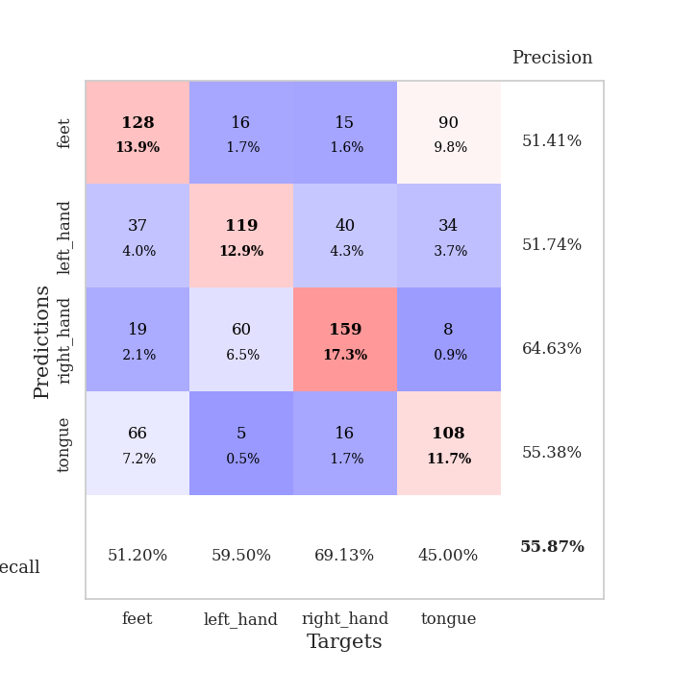
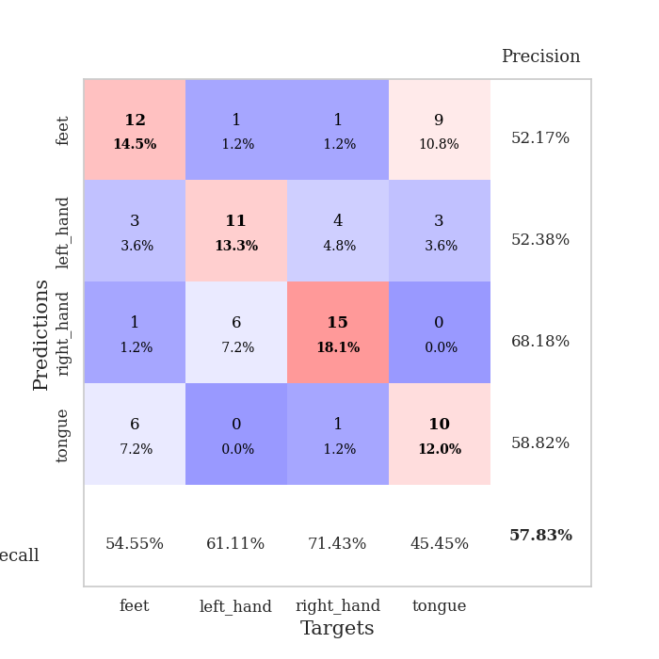
best_val_acc | best_val_los | best_test_acc
0.58695652174 | 1.0392207529 | 0.56896551724
0.53260869565 | 1.3335017329 | 0.52586206897
0.58695652174 | 1.3002866999 | 0.59482758621
0.64130434783 | 0.93429144051 | 0.61206896552
0.53260869565 | 1.1721336764 | 0.55172413793
0.48913043478 | 1.2947204942 | 0.4224137931
0.5652173913 | 1.3091652549 | 0.46551724138
0.54347826087 | 1.2679105375 | 0.56034482759
0.58695652174 | 1.1978632885 | 0.52586206897
0.52173913043 | 1.4039059981 | 0.49137931034

Mean,std Val accuracy is 0.558695652173913 , 0.04353860546608638 and mean, std test accuracy is 0.5318965517241379 , 0.05875716590216047

Sheet1
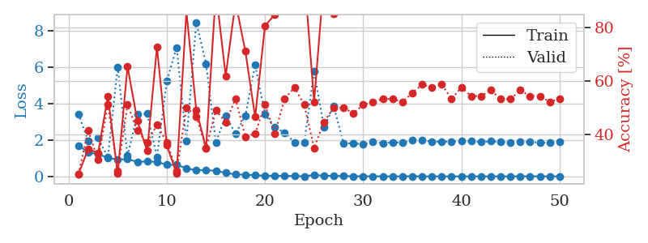
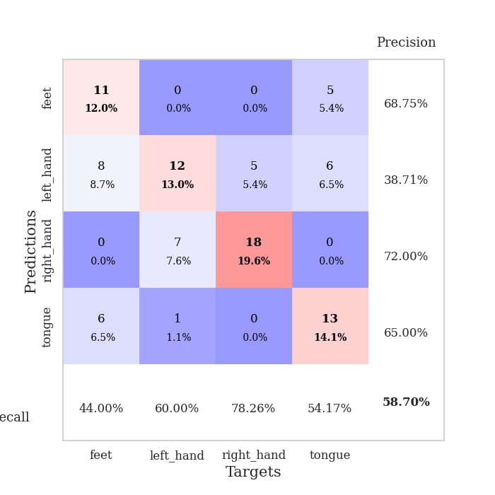
train_loss | valid_loss | train_accuracy | valid_accuracy | dur | train_misclass | valid_misclass
1.6963674607 | 3.4327306747 | 0.25 | 0.25 | 1.1374173164 | 25 | 25
1.3143096903 | 1.9340652124 | 0.34510869565 | 0.41304347826 | 1.1267251968 | 34.510869565 | 41.304347826
1.2144960761 | 2.1091492746 | 0.32880434783 | 0.30434782609 | 1.1283068657 | 32.880434783 | 30.434782609
1.0232843472 | 1.0392207529 | 0.54347826087 | 0.51086956522 | 1.1278214455 | 54.347826087 | 51.086956522
0.91964430394 | 6.0031090405 | 0.2527173913 | 0.26086956522 | 1.1330323219 | 25.27173913 | 26.086956522
0.95007910417 | 1.1242771434 | 0.65489130435 | 0.51086956522 | 1.1321516037 | 65.489130435 | 51.086956522
0.79549633161 | 3.4109239475 | 0.45108695652 | 0.41304347826 | 1.131057024 | 45.108695652 | 41.304347826
0.82241181705 | 3.4411066615 | 0.33695652174 | 0.36956521739 | 1.1342365742 | 33.695652174 | 36.956521739
0.79667014272 | 1.0718633351 | 0.72826086957 | 0.4347826087 | 1.133564949 | 72.826086957 | 43.47826087
0.63704455547 | 5.2285790443 | 0.35869565217 | 0.36956521739 | 1.1329631805 | 35.869565217 | 36.956521739
0.63691819751 | 7.0794354522 | 0.2527173913 | 0.26086956522 | 1.134837389 | 25.27173913 | 26.086956522
0.44732848976 | 1.9274092032 | 0.86141304348 | 0.5 | 1.1352577209 | 86.141304348 | 50
0.33413567977 | 8.4575230142 | 0.49184782609 | 0.46739130435 | 1.1357884407 | 49.184782609 | 46.739130435
0.3553593 | 6.1837957631 | 0.34782608696 | 0.34782608696 | 1.1356906891 | 34.782608696 | 34.782608696
0.30287174881 | 1.8626714478 | 0.9375 | 0.48913043478 | 1.1366939545 | 93.75 | 48.913043478
0.19520938558 | 3.3300889886 | 0.61956521739 | 0.44565217391 | 1.1368896961 | 61.956521739 | 44.565217391
0.11029102402 | 2.3377175849 | 0.89673913043 | 0.53260869565 | 1.1363480091 | 89.673913043 | 53.260869565
0.09475441026 | 3.3287635886 | 0.71195652174 | 0.39130434783 | 1.139295578 | 71.195652174 | 39.130434783
0.064745710555 | 6.1132088329 | 0.46467391304 | 0.40217391304 | 1.1363565922 | 46.467391304 | 40.217391304
0.038533432227 | 3.4144981737 | 0.80706521739 | 0.51086956522 | 1.1379394531 | 80.706521739 | 51.086956522
0.032912187349 | 2.6950270197 | 0.85054347826 | 0.40217391304 | 1.136885643 | 85.054347826 | 40.217391304
0.028920147123 | 2.40762836 | 0.91847826087 | 0.53260869565 | 1.138355732 | 91.847826087 | 53.260869565
0.021296427393 | 1.859079589 | 1 | 0.57608695652 | 1.138204813 | 100 | 57.608695652
0.007568520671 | 1.8530857252 | 1 | 0.51086956522 | 1.1363406181 | 100 | 51.086956522
0.076861069588 | 5.775462275 | 0.52173913043 | 0.34782608696 | 1.1379113197 | 52.173913043 | 34.782608696
0.040242940653 | 2.7034255733 | 0.97826086957 | 0.44565217391 | 1.1392073631 | 97.826086957 | 44.565217391
0.033797789886 | 3.837546473 | 0.85326086957 | 0.5 | 1.1397624016 | 85.326086957 | 50
0.015633022868 | 1.8253556386 | 1 | 0.5 | 1.140173912 | 100 | 50
0.011575767619 | 1.8087205265 | 1 | 0.47826086957 | 1.1408743858 | 100 | 47.826086957
0.0095694363168 | 1.765017836 | 1 | 0.51086956522 | 1.1409087181 | 100 | 51.086956522
0.011534742864 | 1.9099416888 | 1 | 0.52173913043 | 1.1404016018 | 100 | 52.173913043
0.0049283175081 | 1.823707337 | 1 | 0.53260869565 | 1.1420588493 | 100 | 53.260869565
0.0022725493181 | 1.8765118226 | 1 | 0.53260869565 | 1.1412844658 | 100 | 53.260869565
0.0020905794745 | 1.8465333555 | 1 | 0.52173913043 | 1.1421394348 | 100 | 52.173913043
0.010523470632 | 1.9948722591 | 1 | 0.55434782609 | 1.1422660351 | 100 | 55.434782609
0.002488576845 | 2.0061299075 | 1 | 0.58695652174 | 1.1420764923 | 100 | 58.695652174
0.0019606073278 | 1.9033320313 | 1 | 0.57608695652 | 1.1413068771 | 100 | 57.608695652
0.0014917803017 | 1.9087214418 | 1 | 0.58695652174 | 1.1411616802 | 100 | 58.695652174
0.0023039819068 | 1.9137778749 | 1 | 0.53260869565 | 1.1416890621 | 100 | 53.260869565
0.0034932323653 | 1.9367457525 | 1 | 0.57608695652 | 1.1409680843 | 100 | 57.608695652
0.002298756352 | 1.9302760414 | 1 | 0.54347826087 | 1.1411786079 | 100 | 54.347826087
0.0018866899722 | 1.8874376805 | 1 | 0.54347826087 | 1.1416921616 | 100 | 54.347826087
0.0027338116317 | 1.9248709679 | 1 | 0.5652173913 | 1.1416771412 | 100 | 56.52173913
0.0027245762347 | 1.8852581667 | 1 | 0.53260869565 | 1.1412503719 | 100 | 53.260869565
0.0022107113163 | 1.8705377942 | 1 | 0.53260869565 | 1.1411633492 | 100 | 53.260869565
0.007691705551 | 1.8955506656 | 1 | 0.5652173913 | 1.1415963173 | 100 | 56.52173913
0.0026815242827 | 1.8959109887 | 1 | 0.54347826087 | 1.142138958 | 100 | 54.347826087
0.0098020015158 | 1.8407254271 | 1 | 0.54347826087 | 1.1413908005 | 100 | 54.347826087
0.0017097626089 | 1.8562534633 | 1 | 0.52173913043 | 1.1418235302 | 100 | 52.173913043
0.0018487094621 | 1.8968333783 | 1 | 0.53260869565 | 1.1426582336 | 100 | 53.260869565

Best Val accuracy is 0.5869565217391305 and Best test accuracy is 0.5689655172413793

Sheet2
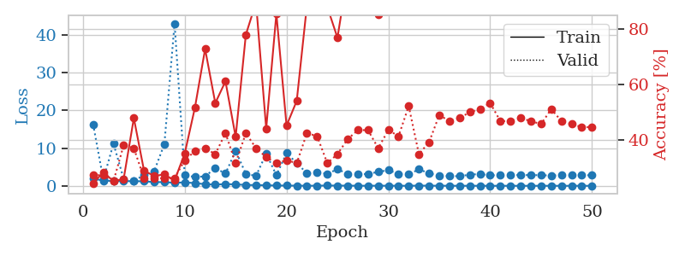
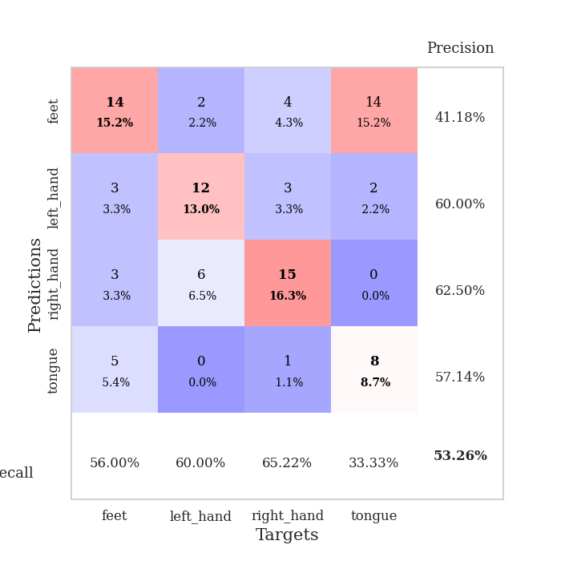
train_loss | valid_loss | train_accuracy | valid_accuracy | dur | train_misclass | valid_misclass
1.8980199876 | 16.339025497 | 0.24184782609 | 0.27173913043 | 1.1460375786 | 24.184782609 | 27.173913043
1.3951848331 | 1.665504948 | 0.28260869565 | 0.27173913043 | 1.1420850754 | 28.260869565 | 27.173913043
1.2648310869 | 11.166068989 | 0.25 | 0.25 | 1.1405484676 | 25 | 25
1.2664558784 | 1.8522050847 | 0.25815217391 | 0.38043478261 | 1.1403775215 | 25.815217391 | 38.043478261
1.2060551695 | 1.3335017329 | 0.47826086957 | 0.36956521739 | 1.1460072994 | 47.826086957 | 36.956521739
1.2107488954 | 2.8548943271 | 0.28804347826 | 0.26086956522 | 1.1421356201 | 28.804347826 | 26.086956522
0.98210260661 | 3.8875405788 | 0.26902173913 | 0.26086956522 | 1.1414663792 | 26.902173913 | 26.086956522
0.97738512703 | 11.076145172 | 0.27445652174 | 0.26086956522 | 1.1416578293 | 27.445652174 | 26.086956522
0.79253859105 | 43.03077449 | 0.2527173913 | 0.26086956522 | 1.1418106556 | 25.27173913 | 26.086956522
0.92011500442 | 2.8464782704 | 0.35054347826 | 0.32608695652 | 1.142128706 | 35.054347826 | 32.608695652
0.70982560904 | 2.3226374854 | 0.51630434783 | 0.35869565217 | 1.1417527199 | 51.630434783 | 35.869565217
0.43619717722 | 2.5212955682 | 0.72826086957 | 0.36956521739 | 1.1431691647 | 72.826086957 | 36.956521739
0.33954091338 | 4.6895654098 | 0.53260869565 | 0.34782608696 | 1.1425907612 | 53.260869565 | 34.782608696
0.45054718917 | 3.254196592 | 0.61141304348 | 0.42391304348 | 1.1425981522 | 61.141304348 | 42.391304348
0.389843334 | 9.2623385554 | 0.41032608696 | 0.3152173913 | 1.1458580494 | 41.032608696 | 31.52173913
0.22934487867 | 3.1742153686 | 0.77989130435 | 0.42391304348 | 1.14220047 | 77.989130435 | 42.391304348
0.1932990044 | 2.6088137108 | 0.89673913043 | 0.36956521739 | 1.1417958736 | 89.673913043 | 36.956521739
0.14393272465 | 8.5400058912 | 0.4402173913 | 0.33695652174 | 1.1423220634 | 44.02173913 | 33.695652174
0.072165821234 | 2.8261042471 | 0.85597826087 | 0.3152173913 | 1.1427645683 | 85.597826087 | 31.52173913
0.068649489918 | 8.6630568919 | 0.45108695652 | 0.32608695652 | 1.1426894665 | 45.108695652 | 32.608695652
0.033146607507 | 6.0463680392 | 0.54076086957 | 0.3152173913 | 1.1417212486 | 54.076086957 | 31.52173913
0.024506565285 | 3.3159691458 | 0.88586956522 | 0.42391304348 | 1.1430966854 | 88.586956522 | 42.391304348
0.029172111505 | 3.4755021697 | 1 | 0.41304347826 | 1.1435341835 | 100 | 41.304347826
0.080139543294 | 3.2182110185 | 0.88043478261 | 0.3152173913 | 1.1430063248 | 88.043478261 | 31.52173913
0.053897705364 | 4.3800970575 | 0.76902173913 | 0.34782608696 | 1.1425716877 | 76.902173913 | 34.782608696
0.046173719416 | 3.2193697535 | 1 | 0.40217391304 | 1.1429247856 | 100 | 40.217391304
0.019119455725 | 3.0095374584 | 1 | 0.4347826087 | 1.1438858509 | 100 | 43.47826087
0.014223224481 | 3.1655412653 | 0.99184782609 | 0.4347826087 | 1.145622015 | 99.184782609 | 43.47826087
0.033283648605 | 3.678016051 | 0.85326086957 | 0.36956521739 | 1.1433122158 | 85.326086957 | 36.956521739
0.022817593179 | 4.1597354205 | 0.91032608696 | 0.4347826087 | 1.1441926956 | 91.032608696 | 43.47826087
0.011752000605 | 3.1383896289 | 0.99184782609 | 0.41304347826 | 1.1435062885 | 99.184782609 | 41.304347826
0.011232532413 | 3.045049035 | 1 | 0.52173913043 | 1.1440508366 | 100 | 52.173913043
0.05210479412 | 4.3651569201 | 0.9347826087 | 0.34782608696 | 1.1468434334 | 93.47826087 | 34.782608696
0.031107213298 | 3.3246511273 | 0.97282608696 | 0.39130434783 | 1.1428992748 | 97.282608696 | 39.130434783
0.019107984217 | 2.6163106483 | 1 | 0.48913043478 | 1.1439316273 | 100 | 48.913043478
0.020523602058 | 2.5703655119 | 1 | 0.46739130435 | 1.1438834667 | 100 | 46.739130435
0.0063510379417 | 2.5505698608 | 1 | 0.47826086957 | 1.145234108 | 100 | 47.826086957
0.0093646580164 | 2.9551055431 | 1 | 0.5 | 1.1497583389 | 100 | 50
0.010482410908 | 3.1278272297 | 1 | 0.51086956522 | 1.1492397785 | 100 | 51.086956522
0.001783226952 | 2.7896800249 | 1 | 0.53260869565 | 1.1492702961 | 100 | 53.260869565
0.0056567295947 | 2.7891483359 | 1 | 0.46739130435 | 1.1433110237 | 100 | 46.739130435
0.0033338593937 | 2.874750469 | 1 | 0.46739130435 | 1.1447663307 | 100 | 46.739130435
0.0020738244038 | 2.8338578369 | 1 | 0.47826086957 | 1.148080349 | 100 | 47.826086957
0.0044431250521 | 2.8479300271 | 1 | 0.46739130435 | 1.1474306583 | 100 | 46.739130435
0.0018884790644 | 2.8064335015 | 1 | 0.45652173913 | 1.1492490768 | 100 | 45.652173913
0.0037745733691 | 2.7248044169 | 1 | 0.51086956522 | 1.1478049755 | 100 | 51.086956522
0.0015757588933 | 2.8256038065 | 1 | 0.46739130435 | 1.1481385231 | 100 | 46.739130435
0.0021472818936 | 2.8074298216 | 1 | 0.45652173913 | 1.1485469341 | 100 | 45.652173913
0.0014375798511 | 2.834050645 | 1 | 0.44565217391 | 1.1479699612 | 100 | 44.565217391
0.0021919407483 | 2.7772139674 | 1 | 0.44565217391 | 1.1482391357 | 100 | 44.565217391

Best Val accuracy is 0.532608695652174 and Best test accuracy is 0.5258620689655172

Sheet3
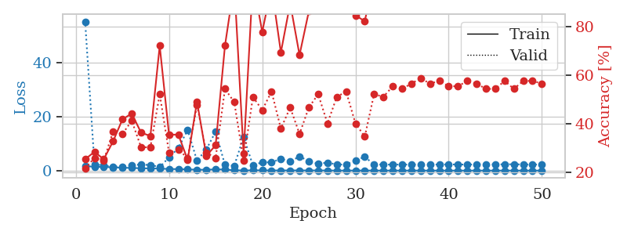
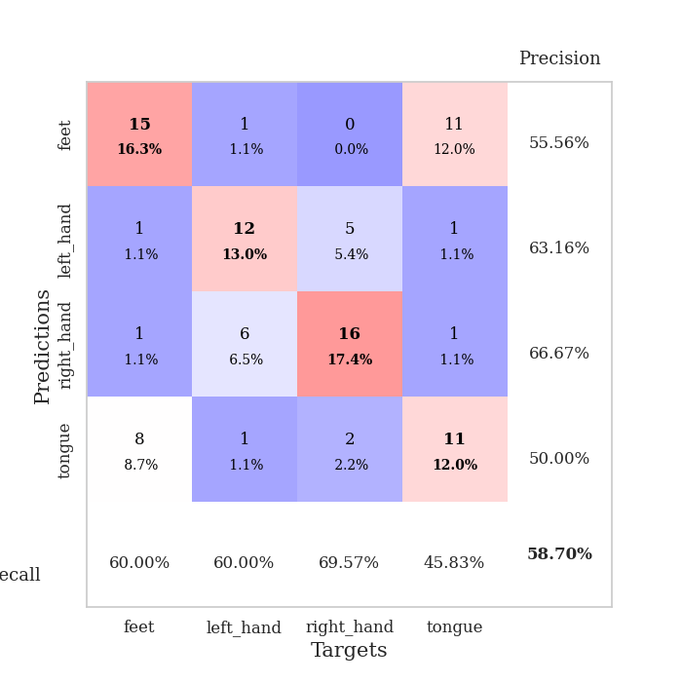
train_loss | valid_loss | train_accuracy | valid_accuracy | dur | train_misclass | valid_misclass
1.6731461649 | 55.363286557 | 0.25543478261 | 0.21739130435 | 1.1480402946 | 25.543478261 | 21.739130435
1.4056380443 | 2.3039262191 | 0.28532608696 | 0.26086956522 | 1.1445813179 | 28.532608696 | 26.086956522
1.328455811 | 1.9022863481 | 0.25543478261 | 0.25 | 1.1442968845 | 25.543478261 | 25
1.2220301395 | 1.4660680242 | 0.32880434783 | 0.36956521739 | 1.1419665813 | 32.880434783 | 36.956521739
1.0397416586 | 1.491379769 | 0.41847826087 | 0.35869565217 | 1.1454699039 | 41.847826087 | 35.869565217
0.98835102372 | 2.0668221608 | 0.44293478261 | 0.41304347826 | 1.1428890228 | 44.293478261 | 41.304347826
0.85103584891 | 2.2143307561 | 0.36413043478 | 0.30434782609 | 1.1450185776 | 36.413043478 | 30.434782609
0.81708934644 | 2.0588747056 | 0.35054347826 | 0.30434782609 | 1.1434955597 | 35.054347826 | 30.434782609
0.71242987721 | 1.3002866999 | 0.72010869565 | 0.52173913043 | 1.1441419125 | 72.010869565 | 52.173913043
0.60154851753 | 4.8788798063 | 0.35597826087 | 0.28260869565 | 1.1455731392 | 35.597826087 | 28.260869565
0.52658927117 | 8.3567318087 | 0.35597826087 | 0.29347826087 | 1.143458128 | 35.597826087 | 29.347826087
0.44494676979 | 15.106021798 | 0.2527173913 | 0.26086956522 | 1.1445167065 | 25.27173913 | 26.086956522
0.31796081073 | 3.6940596311 | 0.49184782609 | 0.47826086957 | 1.1448400021 | 49.184782609 | 47.826086957
0.31074906578 | 7.8326207866 | 0.26902173913 | 0.28260869565 | 1.145065546 | 26.902173913 | 28.260869565
0.44459479173 | 14.483563506 | 0.3125 | 0.26086956522 | 1.1435770988 | 31.25 | 26.086956522
0.37801830098 | 2.1152457206 | 0.72010869565 | 0.54347826087 | 1.1462869644 | 72.010869565 | 54.347826087
0.11385704346 | 1.7991522291 | 0.97554347826 | 0.48913043478 | 1.1452553272 | 97.554347826 | 48.913043478
0.058908384739 | 12.457697661 | 0.27717391304 | 0.25 | 1.143155098 | 27.717391304 | 25
0.086983841844 | 1.9064151748 | 0.98641304348 | 0.51086956522 | 1.1476686001 | 98.641304348 | 51.086956522
0.098457004743 | 3.1227301411 | 0.77717391304 | 0.45652173913 | 1.1482198238 | 77.717391304 | 45.652173913
0.062079019075 | 3.0074363895 | 0.96195652174 | 0.53260869565 | 1.1489789486 | 96.195652174 | 53.260869565
0.042817770584 | 4.426315432 | 0.69293478261 | 0.38043478261 | 1.1493113041 | 69.293478261 | 38.043478261
0.070241938163 | 3.3383291182 | 0.89402173913 | 0.46739130435 | 1.148758173 | 89.402173913 | 46.739130435
0.050648745443 | 5.2680050394 | 0.68206521739 | 0.35869565217 | 1.1494150162 | 68.206521739 | 35.869565217
0.052937963578 | 3.4672696694 | 0.86141304348 | 0.46739130435 | 1.1491343975 | 86.141304348 | 46.739130435
0.056487798316 | 2.5338988486 | 0.9347826087 | 0.52173913043 | 1.1486692429 | 93.47826087 | 52.173913043
0.035686593143 | 2.9602282877 | 0.99184782609 | 0.40217391304 | 1.1496675014 | 99.184782609 | 40.217391304
0.013694716929 | 2.2556325249 | 1 | 0.51086956522 | 1.1489396095 | 100 | 51.086956522
0.005498025083 | 2.2413997572 | 1 | 0.53260869565 | 1.1495165825 | 100 | 53.260869565
0.017470218378 | 3.820203636 | 0.84510869565 | 0.40217391304 | 1.1496152878 | 84.510869565 | 40.217391304
0.020337331262 | 5.088280118 | 0.82065217391 | 0.34782608696 | 1.1496229172 | 82.065217391 | 34.782608696
0.005920849743 | 2.2669121545 | 1 | 0.52173913043 | 1.1499984264 | 100 | 52.173913043
0.0099561940866 | 2.2511854742 | 1 | 0.51086956522 | 1.1498179436 | 100 | 51.086956522
0.0070352866858 | 2.1986146025 | 1 | 0.55434782609 | 1.1503531933 | 100 | 55.434782609
0.0071398398321 | 2.2453693437 | 1 | 0.54347826087 | 1.1493115425 | 100 | 54.347826087
0.0058040953046 | 2.2366476914 | 1 | 0.5652173913 | 1.1494858265 | 100 | 56.52173913
0.0078275802662 | 2.233250802 | 1 | 0.58695652174 | 1.1472604275 | 100 | 58.695652174
0.0037786167054 | 2.2192659611 | 1 | 0.5652173913 | 1.1456990242 | 100 | 56.52173913
0.0073262076767 | 2.2651386935 | 1 | 0.57608695652 | 1.1489095688 | 100 | 57.608695652
0.0023025791525 | 2.2850176251 | 1 | 0.55434782609 | 1.1494035721 | 100 | 55.434782609
0.0017741169419 | 2.2550180088 | 1 | 0.55434782609 | 1.1503789425 | 100 | 55.434782609
0.0024907447674 | 2.2328009839 | 1 | 0.57608695652 | 1.1505334377 | 100 | 57.608695652
0.0047699890818 | 2.2922363929 | 1 | 0.5652173913 | 1.1492741108 | 100 | 56.52173913
0.008632636413 | 2.2903180304 | 1 | 0.54347826087 | 1.1500663757 | 100 | 54.347826087
0.0012792674189 | 2.2974414333 | 1 | 0.54347826087 | 1.1491320133 | 100 | 54.347826087
0.0038543696362 | 2.3133408168 | 1 | 0.57608695652 | 1.1495344639 | 100 | 57.608695652
0.0074068250586 | 2.3592868188 | 1 | 0.54347826087 | 1.1503379345 | 100 | 54.347826087
0.0031731342378 | 2.2525249435 | 1 | 0.57608695652 | 1.1489663124 | 100 | 57.608695652
0.0027235993092 | 2.2520748299 | 1 | 0.57608695652 | 1.1491656303 | 100 | 57.608695652
0.0026414555905 | 2.2364155313 | 1 | 0.5652173913 | 1.1483876705 | 100 | 56.52173913

Best Val accuracy is 0.5869565217391305 and Best test accuracy is 0.5948275862068966

Sheet4
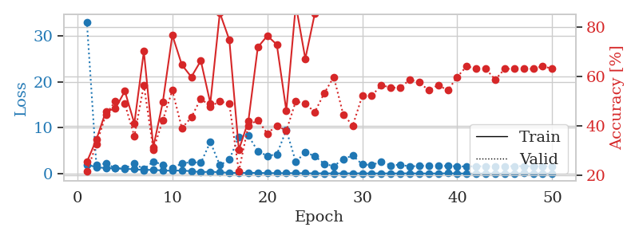
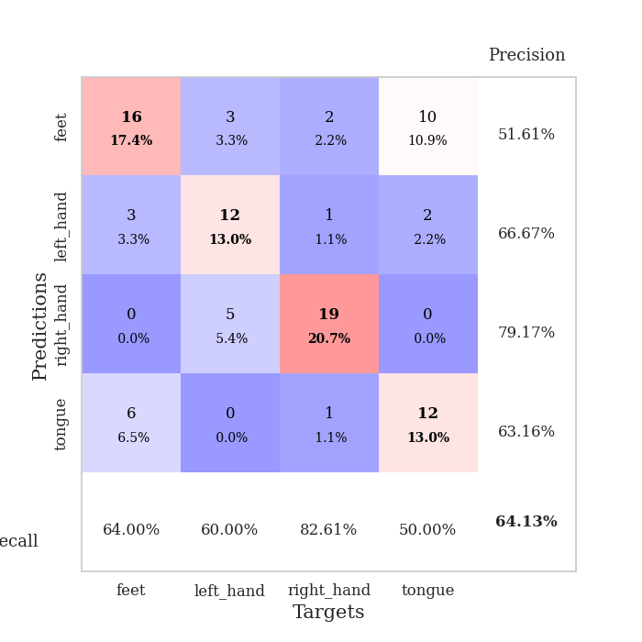
train_loss | valid_loss | train_accuracy | valid_accuracy | dur | train_misclass | valid_misclass
1.9467150802 | 33.125819994 | 0.25543478261 | 0.21739130435 | 1.1531078815 | 25.543478261 | 21.739130435
1.3735548361 | 1.8704829216 | 0.34510869565 | 0.32608695652 | 1.1458363533 | 34.510869565 | 32.608695652
1.1698888126 | 2.1813697659 | 0.45923913043 | 0.44565217391 | 1.1467504501 | 45.923913043 | 44.565217391
1.113714555 | 1.1423740335 | 0.47010869565 | 0.5 | 1.1458182335 | 47.010869565 | 50
1.0135401954 | 1.0981311876 | 0.54076086957 | 0.48913043478 | 1.1469402313 | 54.076086957 | 48.913043478
0.92075241908 | 2.1823607009 | 0.41032608696 | 0.35869565217 | 1.1440742016 | 41.032608696 | 35.869565217
0.7388443299 | 0.93429144051 | 0.70108695652 | 0.5652173913 | 1.1444132328 | 70.108695652 | 56.52173913
0.81765827018 | 2.6243053416 | 0.3152173913 | 0.30434782609 | 1.1477746964 | 31.52173913 | 30.434782609
0.63181588572 | 1.916278751 | 0.4972826087 | 0.42391304348 | 1.1443607807 | 49.72826087 | 42.391304348
0.61058257196 | 1.2256408723 | 0.76630434783 | 0.54347826087 | 1.1455397606 | 76.630434783 | 54.347826087
0.65202590823 | 2.1579798305 | 0.64673913043 | 0.39130434783 | 1.1460783482 | 64.673913043 | 39.130434783
0.49723827061 | 2.5114693538 | 0.59782608696 | 0.4347826087 | 1.14503479 | 59.782608696 | 43.47826087
0.2837357994 | 2.3142747827 | 0.66304347826 | 0.51086956522 | 1.1472818851 | 66.304347826 | 51.086956522
0.3909058153 | 6.8987452466 | 0.49184782609 | 0.47826086957 | 1.1495454311 | 49.184782609 | 47.826086957
0.26742947895 | 1.8069084986 | 0.85597826087 | 0.5 | 1.1483466625 | 85.597826087 | 50
0.15304899912 | 3.0184837424 | 0.7472826087 | 0.48913043478 | 1.1488649845 | 74.72826087 | 48.913043478
0.1209696818 | 8.0088454951 | 0.30434782609 | 0.21739130435 | 1.1493704319 | 30.434782609 | 21.739130435
0.14401994897 | 8.2750604671 | 0.41847826087 | 0.40217391304 | 1.149430275 | 41.847826087 | 40.217391304
0.12700581949 | 4.8777050765 | 0.71739130435 | 0.42391304348 | 1.1490983963 | 71.739130435 | 42.391304348
0.08841367483 | 3.850695693 | 0.76358695652 | 0.36956521739 | 1.149503231 | 76.358695652 | 36.956521739
0.081351473259 | 4.1739784531 | 0.72826086957 | 0.40217391304 | 1.1492631435 | 72.826086957 | 40.217391304
0.075160351238 | 9.5040069248 | 0.46195652174 | 0.38043478261 | 1.1514763832 | 46.195652174 | 38.043478261
0.070338469019 | 2.5393376143 | 0.88858695652 | 0.5 | 1.1504774094 | 88.858695652 | 50
0.044009428046 | 4.6189866377 | 0.67119565217 | 0.48913043478 | 1.1510014534 | 67.119565217 | 48.913043478
0.033260078169 | 3.8232971274 | 0.85326086957 | 0.45652173913 | 1.1508879662 | 85.326086957 | 45.652173913
0.031895899191 | 2.0883163628 | 0.9972826087 | 0.53260869565 | 1.1509492397 | 99.72826087 | 53.260869565
0.015327471396 | 1.605796915 | 1 | 0.59782608696 | 1.1547710896 | 100 | 59.782608696
0.029358127319 | 3.15513219 | 0.96195652174 | 0.44565217391 | 1.1508834362 | 96.195652174 | 44.565217391
0.027280688965 | 3.927546014 | 0.9347826087 | 0.40217391304 | 1.1494669914 | 93.47826087 | 40.217391304
0.034118446657 | 1.9672693429 | 0.9972826087 | 0.52173913043 | 1.1500813961 | 99.72826087 | 52.173913043
0.012129963896 | 1.8757560149 | 0.9972826087 | 0.52173913043 | 1.1511955261 | 99.72826087 | 52.173913043
0.025774241903 | 2.5390867202 | 0.98641304348 | 0.5652173913 | 1.1511936188 | 98.641304348 | 56.52173913
0.011361470436 | 1.771698975 | 1 | 0.55434782609 | 1.1502120495 | 100 | 55.434782609
0.01701793888 | 1.9198051225 | 1 | 0.55434782609 | 1.1506428719 | 100 | 55.434782609
0.032816342212 | 1.5269281553 | 1 | 0.58695652174 | 1.1510906219 | 100 | 58.695652174
0.0078365228996 | 1.664639105 | 1 | 0.57608695652 | 1.1504909992 | 100 | 57.608695652
0.0039964231698 | 1.6519223555 | 1 | 0.54347826087 | 1.1504597664 | 100 | 54.347826087
0.0088576840543 | 1.6595694526 | 1 | 0.5652173913 | 1.1502795219 | 100 | 56.52173913
0.045251743865 | 1.6314032648 | 1 | 0.54347826087 | 1.1505599022 | 100 | 54.347826087
0.0076568769807 | 1.5557774616 | 1 | 0.59782608696 | 1.1521656513 | 100 | 59.782608696
0.0056572010214 | 1.5406132781 | 1 | 0.64130434783 | 1.1498186588 | 100 | 64.130434783
0.006273393001 | 1.5771679308 | 1 | 0.63043478261 | 1.1493804455 | 100 | 63.043478261
0.0071668141353 | 1.5774190011 | 1 | 0.63043478261 | 1.149307251 | 100 | 63.043478261
0.0042679027142 | 1.5938583276 | 1 | 0.58695652174 | 1.1500155926 | 100 | 58.695652174
0.0077447883156 | 1.5804229949 | 1 | 0.63043478261 | 1.1496942043 | 100 | 63.043478261
0.0031881072728 | 1.5986244108 | 1 | 0.63043478261 | 1.1487896442 | 100 | 63.043478261
0.043826633969 | 1.5936044558 | 1 | 0.63043478261 | 1.1499166489 | 100 | 63.043478261
0.0045508542718 | 1.5838737747 | 1 | 0.63043478261 | 1.1500012875 | 100 | 63.043478261
0.0017902178001 | 1.594150919 | 1 | 0.64130434783 | 1.1505181789 | 100 | 64.130434783
0.0037755534048 | 1.5884005635 | 1 | 0.63043478261 | 1.1494925022 | 100 | 63.043478261

Best Val accuracy is 0.6413043478260869 and Best test accuracy is 0.6120689655172413

Sheet5
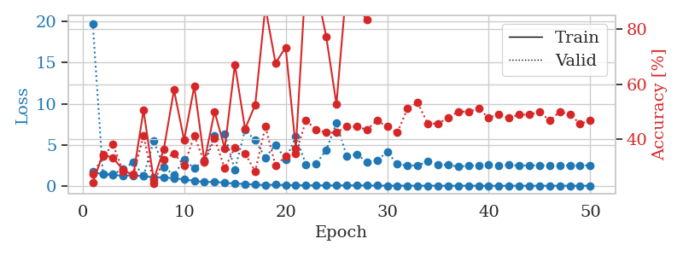
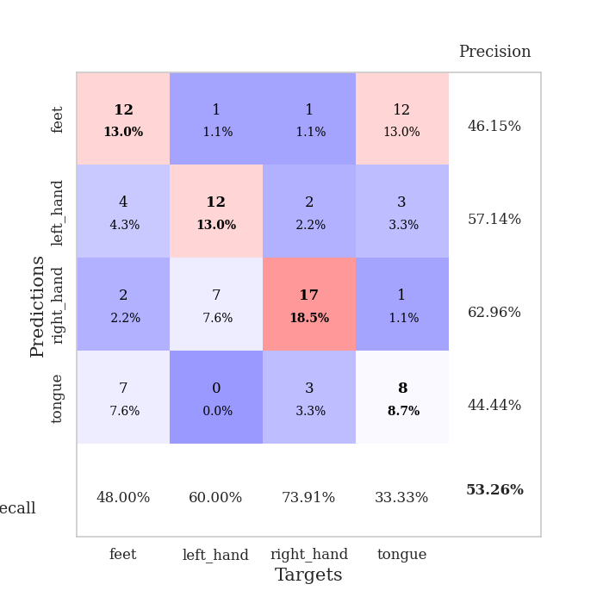
train_loss | valid_loss | train_accuracy | valid_accuracy | dur | train_misclass | valid_misclass
1.7072492734 | 19.766128623 | 0.24184782609 | 0.27173913043 | 1.1480932236 | 24.184782609 | 27.173913043
1.3905403096 | 1.4591146967 | 0.34510869565 | 0.33695652174 | 1.1460282803 | 34.510869565 | 33.695652174
1.3054630394 | 1.4312204589 | 0.33152173913 | 0.38043478261 | 1.1457545757 | 33.152173913 | 38.043478261
1.2407764974 | 2.0175736572 | 0.28804347826 | 0.28260869565 | 1.1448633671 | 28.804347826 | 28.260869565
1.2695386824 | 2.9243642144 | 0.26902173913 | 0.27173913043 | 1.1429989338 | 26.902173913 | 27.173913043
1.1787948401 | 1.1721336764 | 0.50543478261 | 0.41304347826 | 1.1435432434 | 50.543478261 | 41.304347826
1.0236648347 | 5.4604855828 | 0.2527173913 | 0.23913043478 | 1.1468935013 | 25.27173913 | 23.913043478
1.0374364801 | 2.2756433176 | 0.36413043478 | 0.32608695652 | 1.1432626247 | 36.413043478 | 32.608695652
0.90434070255 | 1.3191583623 | 0.57880434783 | 0.34782608696 | 1.1440782547 | 57.880434783 | 34.782608696
0.78884845713 | 3.1979424642 | 0.39673913043 | 0.30434782609 | 1.1444058418 | 39.673913043 | 30.434782609
0.59896343039 | 2.1264488075 | 0.59239130435 | 0.41304347826 | 1.1490392685 | 59.239130435 | 41.304347826
0.46179173822 | 3.108971772 | 0.32065217391 | 0.3152173913 | 1.1489174366 | 32.065217391 | 31.52173913
0.48036603889 | 6.1245281282 | 0.5 | 0.40217391304 | 1.1487789154 | 50 | 40.217391304
0.36387186659 | 6.2803081533 | 0.36684782609 | 0.29347826087 | 1.1491847038 | 36.684782609 | 29.347826087
0.27161868824 | 1.947307001 | 0.67119565217 | 0.36956521739 | 1.1493167877 | 67.119565217 | 36.956521739
0.22017473436 | 6.8146709152 | 0.4375 | 0.34782608696 | 1.1501514912 | 43.75 | 34.782608696
0.14958957024 | 5.5388705419 | 0.52445652174 | 0.28260869565 | 1.1493532658 | 52.445652174 | 28.260869565
0.096320191601 | 3.4283604311 | 0.88043478261 | 0.44565217391 | 1.1493854523 | 88.043478261 | 44.565217391
0.14662212652 | 5.0070293468 | 0.67663043478 | 0.30434782609 | 1.1487789154 | 67.663043478 | 30.434782609
0.084660473725 | 3.213492974 | 0.73369565217 | 0.33695652174 | 1.1498758793 | 73.369565217 | 33.695652174
0.098299364701 | 5.9675920735 | 0.36684782609 | 0.34782608696 | 1.1505351067 | 36.684782609 | 34.782608696
0.036479024379 | 2.6157556617 | 1 | 0.46739130435 | 1.1503620148 | 100 | 46.739130435
0.076058107793 | 2.7046497801 | 0.95108695652 | 0.4347826087 | 1.1480400562 | 95.108695652 | 43.47826087
0.034631090026 | 4.3560917896 | 0.77173913043 | 0.42391304348 | 1.150267601 | 77.173913043 | 42.391304348
0.0583419989 | 7.6445338 | 0.52717391304 | 0.42391304348 | 1.1500618458 | 52.717391304 | 42.391304348
0.044381988437 | 3.6569364382 | 0.95652173913 | 0.44565217391 | 1.1492521763 | 95.652173913 | 44.565217391
0.057511282589 | 3.8395009455 | 0.88315217391 | 0.44565217391 | 1.1512572765 | 88.315217391 | 44.565217391
0.035372176228 | 2.9325141596 | 0.83423913043 | 0.4347826087 | 1.1497302055 | 83.423913043 | 43.47826087
0.027458115385 | 3.0975527608 | 0.96739130435 | 0.46739130435 | 1.1506495476 | 96.739130435 | 46.739130435
0.017157346299 | 4.118735386 | 0.88315217391 | 0.44565217391 | 1.1505866051 | 88.315217391 | 44.565217391
0.01972373594 | 2.6396990237 | 0.9972826087 | 0.42391304348 | 1.1511828899 | 99.72826087 | 42.391304348
0.018333430237 | 2.4609621815 | 1 | 0.51086956522 | 1.1501808167 | 100 | 51.086956522
0.0095828694479 | 2.4885820202 | 1 | 0.53260869565 | 1.1488821507 | 100 | 53.260869565
0.010779522953 | 2.9661190821 | 1 | 0.45652173913 | 1.1484978199 | 100 | 45.652173913
0.012125858351 | 2.5950129239 | 1 | 0.45652173913 | 1.1501550674 | 100 | 45.652173913
0.0058663052585 | 2.5345136394 | 1 | 0.47826086957 | 1.1505551338 | 100 | 47.826086957
0.013072485375 | 2.3416033517 | 1 | 0.5 | 1.1494894028 | 100 | 50
0.0041684576825 | 2.4490794617 | 1 | 0.5 | 1.1502039433 | 100 | 50
0.0038469291581 | 2.4824136547 | 1 | 0.51086956522 | 1.1498785019 | 100 | 51.086956522
0.004621622772 | 2.5294922746 | 1 | 0.47826086957 | 1.1492700577 | 100 | 47.826086957
0.0020554860049 | 2.4972833654 | 1 | 0.48913043478 | 1.1497335434 | 100 | 48.913043478
0.001492882813 | 2.5383622957 | 1 | 0.47826086957 | 1.1496651173 | 100 | 47.826086957
0.0013073237319 | 2.4548131383 | 1 | 0.48913043478 | 1.149450779 | 100 | 48.913043478
0.0053811613046 | 2.4957774515 | 1 | 0.48913043478 | 1.1501097679 | 100 | 48.913043478
0.0013705580647 | 2.4809641112 | 1 | 0.5 | 1.1501131058 | 100 | 50
0.0029034136279 | 2.4592797756 | 1 | 0.46739130435 | 1.1502494812 | 100 | 46.739130435
0.0041118448097 | 2.4918277056 | 1 | 0.5 | 1.149525404 | 100 | 50
0.0018497340409 | 2.4763769378 | 1 | 0.48913043478 | 1.1504335403 | 100 | 48.913043478
0.0079143274539 | 2.4888770477 | 1 | 0.45652173913 | 1.1495213509 | 100 | 45.652173913
0.0061292852694 | 2.4791851977 | 1 | 0.46739130435 | 1.1499590874 | 100 | 46.739130435

Best Val accuracy is 0.532608695652174 and Best test accuracy is 0.5517241379310345

Sheet6
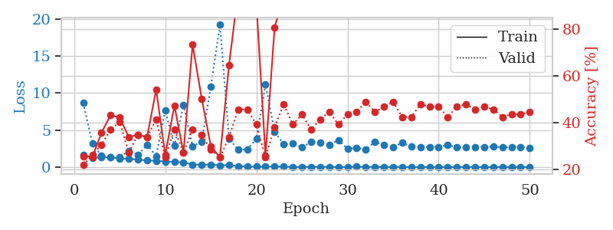
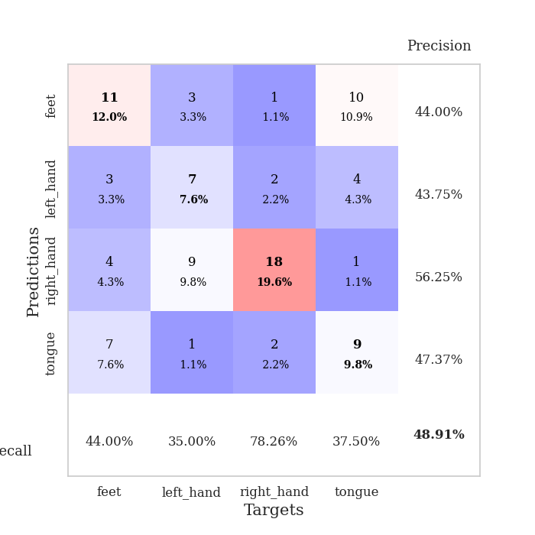
train_loss | valid_loss | train_accuracy | valid_accuracy | dur | train_misclass | valid_misclass
1.6849661392 | 8.6540343658 | 0.25543478261 | 0.21739130435 | 1.1501669884 | 25.543478261 | 21.739130435
1.2825983141 | 3.2156140286 | 0.2527173913 | 0.26086956522 | 1.1457300186 | 25.27173913 | 26.086956522
1.3110584435 | 1.5154517993 | 0.35597826087 | 0.30434782609 | 1.145806551 | 35.597826087 | 30.434782609
1.3147654119 | 1.2947204942 | 0.43206521739 | 0.36956521739 | 1.1450896263 | 43.206521739 | 36.956521739
1.1732780286 | 1.3545100844 | 0.42119565217 | 0.40217391304 | 1.1455011368 | 42.119565217 | 40.217391304
1.1094155571 | 2.2170659615 | 0.33695652174 | 0.27173913043 | 1.1469044685 | 33.695652174 | 27.173913043
1.0225288013 | 1.6256357691 | 0.34782608696 | 0.34782608696 | 1.1428198814 | 34.782608696 | 34.782608696
0.90098007088 | 3.0237081673 | 0.33695652174 | 0.33695652174 | 1.1432974339 | 33.695652174 | 33.695652174
0.84752039806 | 1.4896605248 | 0.54076086957 | 0.41304347826 | 1.1438179016 | 54.076086957 | 41.304347826
0.75378320528 | 7.6455007429 | 0.26086956522 | 0.25 | 1.145200491 | 26.086956522 | 25
0.70148434846 | 2.8582625182 | 0.47282608696 | 0.36956521739 | 1.1440324783 | 47.282608696 | 36.956521739
0.62989382381 | 8.4027285161 | 0.27173913043 | 0.27173913043 | 1.1449067593 | 27.173913043 | 27.173913043
0.34875269364 | 2.7975563381 | 0.73369565217 | 0.36956521739 | 1.1491258144 | 73.369565217 | 36.956521739
0.31221744159 | 3.449547778 | 0.5027173913 | 0.34782608696 | 1.149302721 | 50.27173913 | 34.782608696
0.33450505008 | 10.836525523 | 0.29891304348 | 0.28260869565 | 1.1483697891 | 29.891304348 | 28.260869565
0.23037146291 | 19.235142335 | 0.25 | 0.25 | 1.1490325928 | 25 | 25
0.26896306743 | 3.8753323451 | 0.64673913043 | 0.33695652174 | 1.1486165524 | 64.673913043 | 33.695652174
0.13134967078 | 2.3272493948 | 0.96195652174 | 0.45652173913 | 1.1483118534 | 96.195652174 | 45.652173913
0.080311998846 | 2.3931246115 | 0.96195652174 | 0.45652173913 | 1.1468670368 | 96.195652174 | 45.652173913
0.055273450283 | 3.823024076 | 0.91032608696 | 0.39130434783 | 1.148608923 | 91.032608696 | 39.130434783
0.057221851433 | 11.150246454 | 0.25815217391 | 0.25 | 1.1483328342 | 25.815217391 | 25
0.1063645656 | 4.7586402064 | 0.80706521739 | 0.38043478261 | 1.1490268707 | 80.706521739 | 38.043478261
0.064224033859 | 3.0971371972 | 0.94565217391 | 0.47826086957 | 1.1493580341 | 94.565217391 | 47.826086957
0.028501047054 | 3.1763201278 | 0.97282608696 | 0.39130434783 | 1.1487724781 | 97.282608696 | 39.130434783
0.016101775671 | 2.679536721 | 1 | 0.4347826087 | 1.1490836143 | 100 | 43.47826087
0.026719694841 | 3.361873181 | 0.98369565217 | 0.36956521739 | 1.1499624252 | 98.369565217 | 36.956521739
0.046871834733 | 3.3396862797 | 0.99184782609 | 0.41304347826 | 1.1490073204 | 99.184782609 | 41.304347826
0.030376588751 | 3.0368550757 | 0.99456521739 | 0.44565217391 | 1.1494224072 | 99.456521739 | 44.565217391
0.021038783664 | 3.6329159426 | 0.97826086957 | 0.39130434783 | 1.1491613388 | 97.826086957 | 39.130434783
0.017197229284 | 2.4647909299 | 0.99456521739 | 0.4347826087 | 1.1496372223 | 99.456521739 | 43.47826087
0.052003251336 | 2.6088900255 | 1 | 0.44565217391 | 1.1495699883 | 100 | 44.565217391
0.01568047781 | 2.3886057398 | 1 | 0.48913043478 | 1.1498119831 | 100 | 48.913043478
0.046339195999 | 3.4089132288 | 0.98913043478 | 0.44565217391 | 1.1483390331 | 98.913043478 | 44.565217391
0.0070207500628 | 3.0265050038 | 1 | 0.46739130435 | 1.1497039795 | 100 | 46.739130435
0.0072622194996 | 2.6799975271 | 1 | 0.48913043478 | 1.1494050026 | 100 | 48.913043478
0.021722070427 | 3.2917405108 | 0.9347826087 | 0.42391304348 | 1.1496505737 | 93.47826087 | 42.391304348
0.0039705280841 | 2.7722811077 | 1 | 0.42391304348 | 1.1495945454 | 100 | 42.391304348
0.0043121425387 | 2.7395848088 | 1 | 0.47826086957 | 1.1499176025 | 100 | 47.826086957
0.0080648525074 | 2.7170220665 | 1 | 0.46739130435 | 1.1495656967 | 100 | 46.739130435
0.003413069136 | 2.7362585171 | 1 | 0.46739130435 | 1.1494574547 | 100 | 46.739130435
0.011272421042 | 2.9682183369 | 1 | 0.42391304348 | 1.1497359276 | 100 | 42.391304348
0.0022805910241 | 2.6787500381 | 1 | 0.46739130435 | 1.1493964195 | 100 | 46.739130435
0.0034503721589 | 2.6521345325 | 1 | 0.47826086957 | 1.149627924 | 100 | 47.826086957
0.010213593844 | 2.7253466793 | 1 | 0.45652173913 | 1.149682045 | 100 | 45.652173913
0.0084153720185 | 2.7321730386 | 1 | 0.46739130435 | 1.150039196 | 100 | 46.739130435
0.0056266321942 | 2.7484560842 | 1 | 0.45652173913 | 1.1497731209 | 100 | 45.652173913
0.0011036846864 | 2.6700806203 | 1 | 0.42391304348 | 1.1501083374 | 100 | 42.391304348
0.0064309475736 | 2.6928181441 | 1 | 0.4347826087 | 1.150935173 | 100 | 43.47826087
0.0025047198325 | 2.718697465 | 1 | 0.4347826087 | 1.1510825157 | 100 | 43.47826087
0.0077622526606 | 2.6035580946 | 1 | 0.44565217391 | 1.1512482166 | 100 | 44.565217391

Best Val accuracy is 0.4891304347826087 and Best test accuracy is 0.4224137931034483

Sheet7
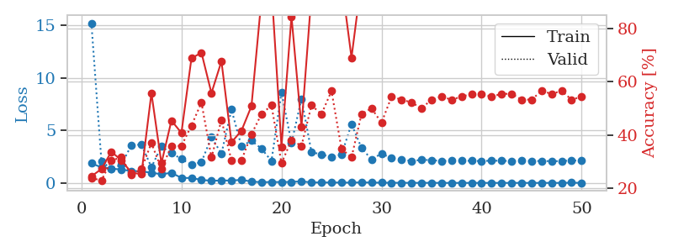
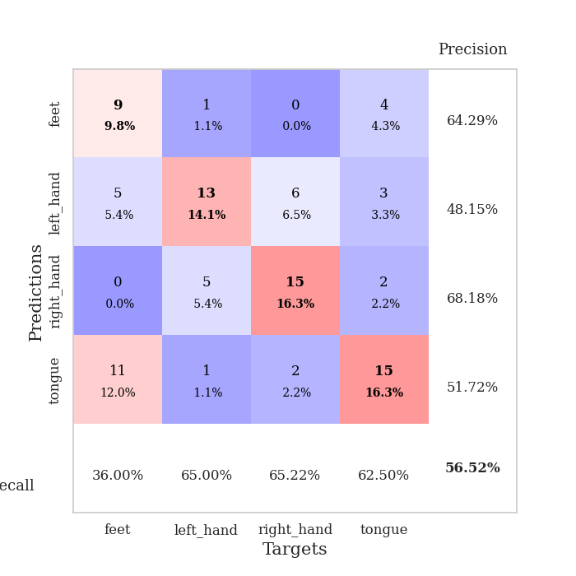
train_loss | valid_loss | train_accuracy | valid_accuracy | dur | train_misclass | valid_misclass
1.8766161877 | 15.212764118 | 0.24456521739 | 0.23913043478 | 1.1484181881 | 24.456521739 | 23.913043478
1.4746429557 | 2.0867072707 | 0.27173913043 | 0.22826086957 | 1.146014452 | 27.173913043 | 22.826086957
1.3643126229 | 1.3091652549 | 0.33695652174 | 0.30434782609 | 1.1475455761 | 33.695652174 | 30.434782609
1.2684849708 | 1.7334657389 | 0.30434782609 | 0.3152173913 | 1.1488318443 | 30.434782609 | 31.52173913
1.1383449228 | 3.6091500676 | 0.25815217391 | 0.25 | 1.1469869614 | 25.815217391 | 25
1.1063704309 | 3.643487298 | 0.2527173913 | 0.27173913043 | 1.1482930183 | 25.27173913 | 27.173913043
0.96724835686 | 1.4981227284 | 0.55706521739 | 0.36956521739 | 1.1487388611 | 55.706521739 | 36.956521739
0.83184133664 | 3.4693532716 | 0.29347826087 | 0.27173913043 | 1.1465680599 | 29.347826087 | 27.173913043
0.95840103212 | 2.835073129 | 0.45380434783 | 0.35869565217 | 1.1491057873 | 45.380434783 | 35.869565217
0.48201480637 | 2.2807498134 | 0.40760869565 | 0.35869565217 | 1.1494481564 | 40.760869565 | 35.869565217
0.46654601395 | 1.7264803959 | 0.6875 | 0.4347826087 | 1.1493916512 | 68.75 | 43.47826087
0.28876288689 | 1.984321558 | 0.70923913043 | 0.52173913043 | 1.1486368179 | 70.923913043 | 52.173913043
0.20278266801 | 4.3441831962 | 0.55706521739 | 0.3152173913 | 1.1483888626 | 55.706521739 | 31.52173913
0.23264605511 | 2.7873247706 | 0.67663043478 | 0.45652173913 | 1.1492848396 | 67.663043478 | 45.652173913
0.22621201805 | 6.9780165216 | 0.3722826087 | 0.30434782609 | 1.1490302086 | 37.22826087 | 30.434782609
0.29026752192 | 3.4890983001 | 0.41576086957 | 0.30434782609 | 1.1495075226 | 41.576086957 | 30.434782609
0.13184602073 | 4.0194459169 | 0.50815217391 | 0.40217391304 | 1.1487624645 | 50.815217391 | 40.217391304
0.065128681452 | 3.2626025469 | 0.91032608696 | 0.47826086957 | 1.1493148804 | 91.032608696 | 47.826086957
0.091698333054 | 2.0923997993 | 0.95380434783 | 0.51086956522 | 1.1491184235 | 95.380434783 | 51.086956522
0.078044213213 | 8.6526032738 | 0.35597826087 | 0.29347826087 | 1.1495966911 | 35.597826087 | 29.347826087
0.09953096015 | 3.7883185978 | 0.84510869565 | 0.38043478261 | 1.1491060257 | 84.510869565 | 38.043478261
0.14517369449 | 7.9967104041 | 0.42934782609 | 0.35869565217 | 1.1501326561 | 42.934782609 | 35.869565217
0.048344194565 | 2.9229718706 | 0.92934782609 | 0.51086956522 | 1.1499047279 | 92.934782609 | 51.086956522
0.040939926428 | 2.7201541248 | 0.95108695652 | 0.47826086957 | 1.1502385139 | 95.108695652 | 47.826086957
0.041727833695 | 2.4469979302 | 1 | 0.5652173913 | 1.1502242088 | 100 | 56.52173913
0.032732427571 | 2.6776796942 | 0.97826086957 | 0.34782608696 | 1.151473999 | 97.826086957 | 34.782608696
0.029510063643 | 5.6046696124 | 0.6902173913 | 0.3152173913 | 1.1499505043 | 69.02173913 | 31.52173913
0.050232838343 | 3.330416441 | 0.98369565217 | 0.47826086957 | 1.1502847672 | 98.369565217 | 47.826086957
0.034321222682 | 2.2301386802 | 1 | 0.5 | 1.150398016 | 100 | 50
0.020616572391 | 2.8019771576 | 1 | 0.44565217391 | 1.1506733894 | 100 | 44.565217391
0.014346533277 | 2.3417926016 | 1 | 0.54347826087 | 1.1504573822 | 100 | 54.347826087
0.0095933662543 | 2.2398563934 | 1 | 0.53260869565 | 1.1509053707 | 100 | 53.260869565
0.0083161838133 | 2.0776246786 | 1 | 0.52173913043 | 1.1517703533 | 100 | 52.173913043
0.0048842122532 | 2.198979497 | 1 | 0.5 | 1.1508967876 | 100 | 50
0.01095114917 | 2.171010432 | 1 | 0.53260869565 | 1.1508252621 | 100 | 53.260869565
0.0019791826932 | 2.0846955413 | 1 | 0.54347826087 | 1.1508262157 | 100 | 54.347826087
0.0026299824151 | 2.1112156381 | 1 | 0.53260869565 | 1.1511585712 | 100 | 53.260869565
0.0043827559908 | 2.1085195179 | 1 | 0.54347826087 | 1.1509075165 | 100 | 54.347826087
0.0020883077181 | 2.1025678023 | 1 | 0.55434782609 | 1.1509094238 | 100 | 55.434782609
0.0028519820344 | 2.0779135331 | 1 | 0.55434782609 | 1.1508669853 | 100 | 55.434782609
0.0028788221484 | 2.1187193964 | 1 | 0.54347826087 | 1.1521234512 | 100 | 54.347826087
0.0024618434842 | 2.1077092782 | 1 | 0.55434782609 | 1.1517438889 | 100 | 55.434782609
0.0024432508739 | 2.087039906 | 1 | 0.55434782609 | 1.1515269279 | 100 | 55.434782609
0.005105995203 | 2.111191024 | 1 | 0.53260869565 | 1.151409626 | 100 | 53.260869565
0.00092686032092 | 2.0834498716 | 1 | 0.53260869565 | 1.1522643566 | 100 | 53.260869565
0.0038605544333 | 2.0857386123 | 1 | 0.5652173913 | 1.1520929337 | 100 | 56.52173913
0.0044070664242 | 2.0733896027 | 1 | 0.55434782609 | 1.1519646645 | 100 | 55.434782609
0.0020744430981 | 2.0737468989 | 1 | 0.5652173913 | 1.1515884399 | 100 | 56.52173913
0.021132530687 | 2.149246703 | 1 | 0.53260869565 | 1.1524410248 | 100 | 53.260869565
0.0021832530044 | 2.1060387 | 1 | 0.54347826087 | 1.1520283222 | 100 | 54.347826087

Best Val accuracy is 0.5652173913043478 and Best test accuracy is 0.46551724137931033

Sheet8
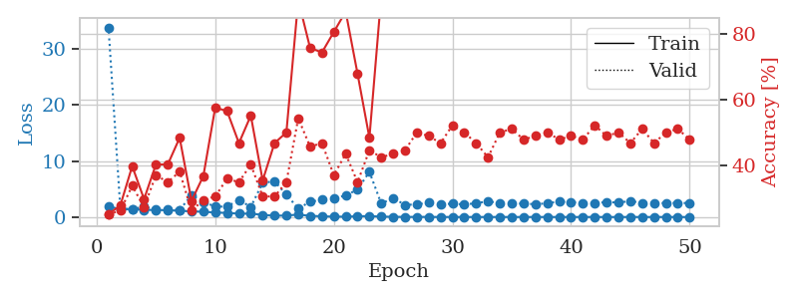
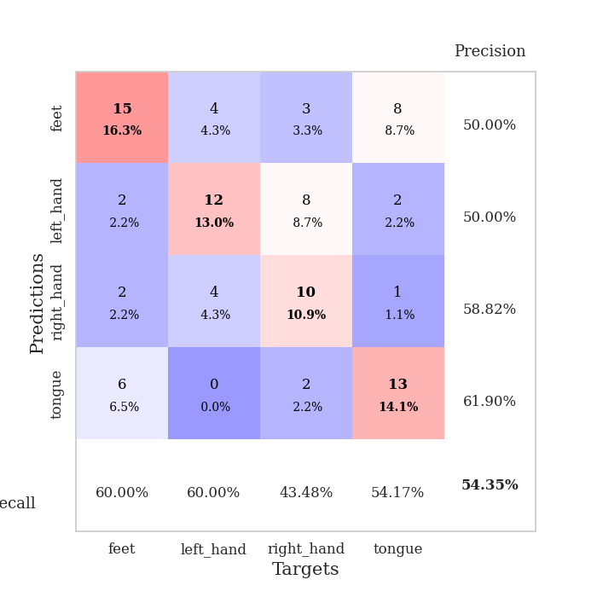
train_loss | valid_loss | train_accuracy | valid_accuracy | dur | train_misclass | valid_misclass
1.9107944084 | 33.888771223 | 0.25 | 0.25 | 1.1521391869 | 25 | 25
1.3704821079 | 1.5147935722 | 0.27717391304 | 0.26086956522 | 1.1484363079 | 27.717391304 | 26.086956522
1.4347402117 | 1.3840742267 | 0.39673913043 | 0.33695652174 | 1.1487903595 | 39.673913043 | 33.695652174
1.2673529698 | 1.8311862168 | 0.29619565217 | 0.27173913043 | 1.1492788792 | 29.619565217 | 27.173913043
1.2671040685 | 1.3848689691 | 0.40217391304 | 0.36956521739 | 1.1506483555 | 40.217391304 | 36.956521739
1.2079321302 | 1.3424114144 | 0.40217391304 | 0.34782608696 | 1.14894104 | 40.217391304 | 34.782608696
1.1257362443 | 1.2679105375 | 0.48369565217 | 0.38043478261 | 1.1502799988 | 48.369565217 | 38.043478261
0.99764563208 | 3.9029719208 | 0.29076086957 | 0.26086956522 | 1.1495490074 | 29.076086957 | 26.086956522
0.9422081994 | 2.7111393421 | 0.36684782609 | 0.29347826087 | 1.1505784988 | 36.684782609 | 29.347826087
0.80530019947 | 1.8612338253 | 0.57608695652 | 0.30434782609 | 1.1494858265 | 57.608695652 | 30.434782609
0.73275688938 | 1.8661394016 | 0.5652173913 | 0.35869565217 | 1.151039362 | 56.52173913 | 35.869565217
0.60184842219 | 3.0482683234 | 0.46739130435 | 0.34782608696 | 1.1508712769 | 46.739130435 | 34.782608696
0.60636895247 | 1.8111412525 | 0.55163043478 | 0.40217391304 | 1.1508169174 | 55.163043478 | 40.217391304
0.38782679905 | 6.1119040303 | 0.35326086957 | 0.30434782609 | 1.1524057388 | 35.326086957 | 30.434782609
0.22809527328 | 6.3827729432 | 0.46739130435 | 0.30434782609 | 1.1509668827 | 46.739130435 | 30.434782609
0.27345534819 | 4.0099739095 | 0.5 | 0.34782608696 | 1.1507740021 | 50 | 34.782608696
0.43001661466 | 1.5105313296 | 0.90489130435 | 0.54347826087 | 1.1515860558 | 90.489130435 | 54.347826087
0.21341260555 | 2.7297495293 | 0.75815217391 | 0.45652173913 | 1.1513507366 | 75.815217391 | 45.652173913
0.13156358266 | 3.0784325755 | 0.74456521739 | 0.46739130435 | 1.1509749889 | 74.456521739 | 46.739130435
0.068114002276 | 3.3780919365 | 0.80706521739 | 0.36956521739 | 1.1505692005 | 80.706521739 | 36.956521739
0.06049098614 | 3.832070247 | 0.86956521739 | 0.4347826087 | 1.1506662369 | 86.956521739 | 43.47826087
0.1342836586 | 4.9407687602 | 0.67934782609 | 0.34782608696 | 1.1520454884 | 67.934782609 | 34.782608696
0.16580605763 | 8.0632925034 | 0.48369565217 | 0.44565217391 | 1.1500771046 | 48.369565217 | 44.565217391
0.06921413553 | 2.398698558 | 0.91847826087 | 0.42391304348 | 1.1492595673 | 91.847826087 | 42.391304348
0.041037525779 | 3.4063885005 | 0.9375 | 0.4347826087 | 1.1483786106 | 93.75 | 43.47826087
0.017047080849 | 2.1604274408 | 1 | 0.44565217391 | 1.1493611336 | 100 | 44.565217391
0.023784897576 | 2.2600043079 | 1 | 0.5 | 1.1495633125 | 100 | 50
0.019332009762 | 2.5595543851 | 1 | 0.48913043478 | 1.1496808529 | 100 | 48.913043478
0.0059875468281 | 2.2413604985 | 1 | 0.46739130435 | 1.1500887871 | 100 | 46.739130435
0.0068101707679 | 2.399045882 | 1 | 0.52173913043 | 1.1504180431 | 100 | 52.173913043
0.0041871863397 | 2.2392088227 | 1 | 0.5 | 1.1504862309 | 100 | 50
0.0043182154199 | 2.4621347085 | 1 | 0.46739130435 | 1.1498789787 | 100 | 46.739130435
0.0064217952237 | 2.8200287819 | 1 | 0.42391304348 | 1.1499612331 | 100 | 42.391304348
0.005764052368 | 2.4894466141 | 1 | 0.5 | 1.1492497921 | 100 | 50
0.0066823991744 | 2.4032180828 | 1 | 0.51086956522 | 1.1508903503 | 100 | 51.086956522
0.0020660608108 | 2.4023037164 | 1 | 0.47826086957 | 1.1505658627 | 100 | 47.826086957
0.0089900174264 | 2.2884256477 | 1 | 0.48913043478 | 1.1508135796 | 100 | 48.913043478
0.0043963764911 | 2.4544094749 | 1 | 0.5 | 1.1514792442 | 100 | 50
0.0037422656276 | 2.7755645099 | 1 | 0.47826086957 | 1.1508977413 | 100 | 47.826086957
0.001595469117 | 2.6480447883 | 1 | 0.48913043478 | 1.1510071754 | 100 | 48.913043478
0.0070106603791 | 2.531475715 | 1 | 0.47826086957 | 1.1507062912 | 100 | 47.826086957
0.0064120174527 | 2.4718390496 | 1 | 0.52173913043 | 1.1515572071 | 100 | 52.173913043
0.0015664155255 | 2.6785675546 | 1 | 0.48913043478 | 1.1514286995 | 100 | 48.913043478
0.0033942426981 | 2.5837111473 | 1 | 0.5 | 1.1504266262 | 100 | 50
0.0074562445142 | 2.8610955425 | 1 | 0.46739130435 | 1.1510355473 | 100 | 46.739130435
0.0037427770778 | 2.5261989832 | 1 | 0.51086956522 | 1.1512031555 | 100 | 51.086956522
0.0028563256701 | 2.4980209237 | 1 | 0.46739130435 | 1.1517188549 | 100 | 46.739130435
0.0093662499098 | 2.4898012617 | 1 | 0.5 | 1.150775671 | 100 | 50
0.0016634152144 | 2.5214509187 | 1 | 0.51086956522 | 1.1518170834 | 100 | 51.086956522
0.0018080301885 | 2.4893524388 | 1 | 0.47826086957 | 1.1515414715 | 100 | 47.826086957

Best Val accuracy is 0.5434782608695652 and Best test accuracy is 0.5603448275862069

Sheet9
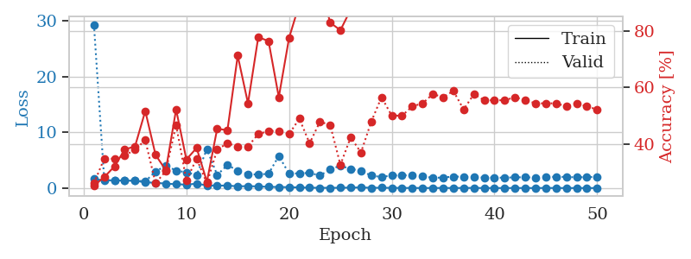
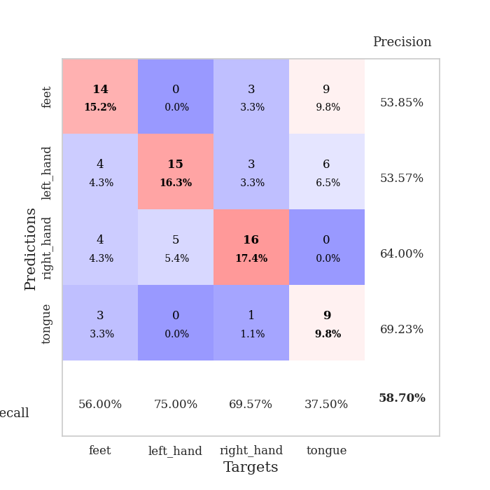
train_loss | valid_loss | train_accuracy | valid_accuracy | dur | train_misclass | valid_misclass
1.6059809042 | 29.344591887 | 0.2527173913 | 0.26086956522 | 1.1530840397 | 25.27173913 | 26.086956522
1.3808393012 | 1.5922917646 | 0.28260869565 | 0.34782608696 | 1.1472756863 | 28.260869565 | 34.782608696
1.3939120407 | 1.3540643143 | 0.32065217391 | 0.34782608696 | 1.1498129368 | 32.065217391 | 34.782608696
1.3359026753 | 1.2911652067 | 0.38043478261 | 0.35869565217 | 1.1503884792 | 38.043478261 | 35.869565217
1.3194158129 | 1.3626304295 | 0.39130434783 | 0.38043478261 | 1.1494777203 | 39.130434783 | 38.043478261
1.0160707158 | 1.1978632885 | 0.51630434783 | 0.41304347826 | 1.1491751671 | 51.630434783 | 41.304347826
0.95196338581 | 2.9686993412 | 0.36141304348 | 0.26086956522 | 1.1481561661 | 36.141304348 | 26.086956522
0.79073443361 | 4.0315331376 | 0.30706521739 | 0.30434782609 | 1.1492154598 | 30.706521739 | 30.434782609
0.68859949967 | 3.138907049 | 0.52173913043 | 0.46739130435 | 1.1494619846 | 52.173913043 | 46.739130435
0.60994471286 | 2.8175258947 | 0.34510869565 | 0.27173913043 | 1.1498382092 | 34.510869565 | 27.173913043
0.78844987698 | 2.3364671521 | 0.38586956522 | 0.34782608696 | 1.1487948895 | 38.586956522 | 34.782608696
0.4697047472 | 6.9985127034 | 0.26630434783 | 0.26086956522 | 1.1507022381 | 26.630434783 | 26.086956522
0.44722271354 | 2.3552343742 | 0.45380434783 | 0.38043478261 | 1.1499121189 | 45.380434783 | 38.043478261
0.4408894706 | 4.1261442122 | 0.44836956522 | 0.40217391304 | 1.1507012844 | 44.836956522 | 40.217391304
0.31014702437 | 3.1367782251 | 0.71195652174 | 0.39130434783 | 1.15061903 | 71.195652174 | 39.130434783
0.34415745832 | 2.4523042389 | 0.54347826087 | 0.39130434783 | 1.1507174969 | 54.347826087 | 39.130434783
0.2912003615 | 2.4456747718 | 0.77717391304 | 0.4347826087 | 1.1512467861 | 77.717391304 | 43.47826087
0.21573154191 | 2.5513689207 | 0.76358695652 | 0.44565217391 | 1.1513543129 | 76.358695652 | 44.565217391
0.18288304758 | 5.7708407485 | 0.5652173913 | 0.44565217391 | 1.1507093906 | 56.52173913 | 44.565217391
0.15229191801 | 2.5928297095 | 0.77445652174 | 0.4347826087 | 1.151314497 | 77.445652174 | 43.47826087
0.11731805859 | 2.6431199053 | 0.89402173913 | 0.48913043478 | 1.1516091824 | 89.402173913 | 48.913043478
0.06296995677 | 2.7230810186 | 0.95652173913 | 0.40217391304 | 1.1524302959 | 95.652173913 | 40.217391304
0.043407997127 | 2.237542821 | 0.96739130435 | 0.47826086957 | 1.151995182 | 96.739130435 | 47.826086957
0.037631526154 | 3.3380302243 | 0.82880434783 | 0.46739130435 | 1.1505434513 | 82.880434783 | 46.739130435
0.052889585394 | 4.0248319792 | 0.80163043478 | 0.32608695652 | 1.1513819695 | 80.163043478 | 32.608695652
0.079820636366 | 3.4119378484 | 0.875 | 0.42391304348 | 1.1506466866 | 87.5 | 42.391304348
0.10931440188 | 3.1345325035 | 0.95923913043 | 0.36956521739 | 1.1507468224 | 95.923913043 | 36.956521739
0.046176107762 | 2.2232009276 | 0.98097826087 | 0.47826086957 | 1.1512172222 | 98.097826087 | 47.826086957
0.052312399747 | 1.9899811071 | 1 | 0.5652173913 | 1.1510024071 | 100 | 56.52173913
0.030944701082 | 2.2580910195 | 0.98097826087 | 0.5 | 1.1511611938 | 98.097826087 | 50
0.019919578037 | 2.26266239 | 1 | 0.5 | 1.15046978 | 100 | 50
0.016225117085 | 2.3382759561 | 1 | 0.53260869565 | 1.1510360241 | 100 | 53.260869565
0.0060656215292 | 2.1411724091 | 1 | 0.54347826087 | 1.1511368752 | 100 | 54.347826087
0.0096249047935 | 1.8140683019 | 1 | 0.57608695652 | 1.1523566246 | 100 | 57.608695652
0.0119734833 | 1.9040411089 | 1 | 0.5652173913 | 1.1515038013 | 100 | 56.52173913
0.006310431634 | 2.0536557695 | 1 | 0.58695652174 | 1.1516444683 | 100 | 58.695652174
0.017282704224 | 2.0423558743 | 1 | 0.52173913043 | 1.1513953209 | 100 | 52.173913043
0.023097549318 | 1.9110757734 | 1 | 0.57608695652 | 1.1519832611 | 100 | 57.608695652
0.0029435372752 | 1.8909096666 | 1 | 0.55434782609 | 1.1540346146 | 100 | 55.434782609
0.0027472102944 | 1.8675090386 | 1 | 0.55434782609 | 1.1522638798 | 100 | 55.434782609
0.0046527180745 | 1.8636832393 | 1 | 0.55434782609 | 1.1516788006 | 100 | 55.434782609
0.0079589305204 | 1.9205492424 | 1 | 0.5652173913 | 1.1526286602 | 100 | 56.52173913
0.0087565540339 | 1.9369856534 | 1 | 0.55434782609 | 1.1521852016 | 100 | 55.434782609
0.0015427898394 | 1.8641413658 | 1 | 0.54347826087 | 1.1521396637 | 100 | 54.347826087
0.018185045234 | 2.0101680548 | 1 | 0.54347826087 | 1.1519274712 | 100 | 54.347826087
0.005916403113 | 2.0039125059 | 1 | 0.54347826087 | 1.152790308 | 100 | 54.347826087
0.0048114377006 | 2.0061191735 | 1 | 0.53260869565 | 1.1519153118 | 100 | 53.260869565
0.0030058488932 | 1.9115185116 | 1 | 0.54347826087 | 1.1526627541 | 100 | 54.347826087
0.0019804507506 | 1.9803288968 | 1 | 0.53260869565 | 1.1525373459 | 100 | 53.260869565
0.0033230976519 | 1.9823795194 | 1 | 0.52173913043 | 1.1526777744 | 100 | 52.173913043

Best Val accuracy is 0.5869565217391305 and Best test accuracy is 0.5258620689655172

Sheet10
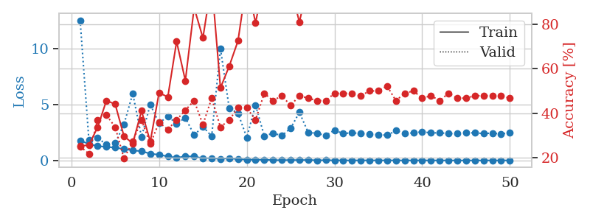
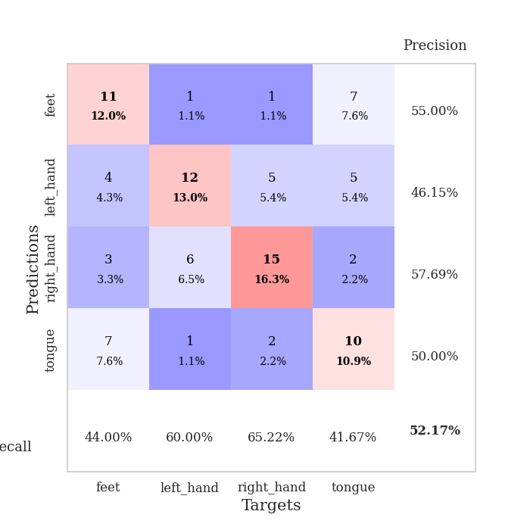
train_loss | valid_loss | train_accuracy | valid_accuracy | dur | train_misclass | valid_misclass
1.7836033365 | 12.499053499 | 0.2527173913 | 0.25 | 1.1534979343 | 25.27173913 | 25
1.4595924668 | 1.8147290012 | 0.25543478261 | 0.21739130435 | 1.1502137184 | 25.543478261 | 21.739130435
1.269735256 | 2.0134988764 | 0.33695652174 | 0.36956521739 | 1.1514761448 | 33.695652174 | 36.956521739
1.2127678006 | 1.4039059981 | 0.45652173913 | 0.39130434783 | 1.1511030197 | 45.652173913 | 39.130434783
1.1356094169 | 1.5395193981 | 0.4402173913 | 0.33695652174 | 1.1503095627 | 44.02173913 | 33.695652174
1.0185009034 | 3.2168971663 | 0.29619565217 | 0.19565217391 | 1.1515314579 | 29.619565217 | 19.565217391
0.89470633476 | 5.9633705098 | 0.26358695652 | 0.27173913043 | 1.1521828175 | 26.358695652 | 27.173913043
0.81971862653 | 2.0923850329 | 0.41032608696 | 0.36956521739 | 1.1525988579 | 41.032608696 | 36.956521739
0.6006130602 | 4.9944532436 | 0.27173913043 | 0.26086956522 | 1.1518764496 | 27.173913043 | 26.086956522
0.50607914251 | 3.3109583958 | 0.49184782609 | 0.35869565217 | 1.1528146267 | 49.184782609 | 35.869565217
0.35883469944 | 3.9505152184 | 0.47282608696 | 0.32608695652 | 1.1526422501 | 47.282608696 | 32.608695652
0.23423928524 | 3.275064883 | 0.72282608696 | 0.36956521739 | 1.1528811455 | 72.282608696 | 36.956521739
0.36588214694 | 3.8090547582 | 0.54619565217 | 0.41304347826 | 1.1524705887 | 54.619565217 | 41.304347826
0.34692233056 | 2.2645913725 | 0.875 | 0.45652173913 | 1.1542470455 | 87.5 | 45.652173913
0.19365792057 | 3.0169384169 | 0.73913043478 | 0.34782608696 | 1.1540279388 | 73.913043478 | 34.782608696
0.20683665898 | 2.1508274752 | 0.98913043478 | 0.46739130435 | 1.1522517204 | 98.913043478 | 46.739130435
0.13647159562 | 9.9862528677 | 0.51358695652 | 0.33695652174 | 1.1503334045 | 51.358695652 | 33.695652174
0.20149691654 | 4.6479947463 | 0.61141304348 | 0.36956521739 | 1.1503427029 | 61.141304348 | 36.956521739
0.10882404985 | 4.2189175357 | 0.72554347826 | 0.42391304348 | 1.1527686119 | 72.554347826 | 42.391304348
0.08208597662 | 2.0423991576 | 0.99456521739 | 0.42391304348 | 1.1515748501 | 99.456521739 | 42.391304348
0.059542283072 | 4.9412028479 | 0.80706521739 | 0.36956521739 | 1.1514136791 | 80.706521739 | 36.956521739
0.062655851903 | 2.1674223827 | 0.9972826087 | 0.48913043478 | 1.1518428326 | 99.72826087 | 48.913043478
0.027673911374 | 2.4302140682 | 0.95108695652 | 0.45652173913 | 1.1533267498 | 95.108695652 | 45.652173913
0.017073927989 | 2.2126631944 | 1 | 0.47826086957 | 1.1515207291 | 100 | 47.826086957
0.03493167136 | 2.862812799 | 0.97010869565 | 0.4347826087 | 1.1526648998 | 97.010869565 | 43.47826087
0.025630707508 | 4.2902804976 | 0.8097826087 | 0.47826086957 | 1.1517896652 | 80.97826087 | 47.826086957
0.040539649518 | 2.4983529319 | 0.98641304348 | 0.46739130435 | 1.1530799866 | 98.641304348 | 46.739130435
0.015095017187 | 2.4201284595 | 1 | 0.45652173913 | 1.1524090767 | 100 | 45.652173913
0.018402414644 | 2.2274218228 | 1 | 0.45652173913 | 1.1524143219 | 100 | 45.652173913
0.011179619416 | 2.6836778496 | 1 | 0.48913043478 | 1.1521742344 | 100 | 48.913043478
0.0068785263587 | 2.404494327 | 1 | 0.48913043478 | 1.1532289982 | 100 | 48.913043478
0.0032109630651 | 2.4571949399 | 1 | 0.48913043478 | 1.152930975 | 100 | 48.913043478
0.0062887714771 | 2.4071102972 | 1 | 0.47826086957 | 1.1533596516 | 100 | 47.826086957
0.0060108480507 | 2.3471141069 | 1 | 0.5 | 1.1533944607 | 100 | 50
0.0056115348378 | 2.2865891457 | 1 | 0.5 | 1.1530601978 | 100 | 50
0.0081418453521 | 2.252734941 | 1 | 0.52173913043 | 1.1530563831 | 100 | 52.173913043
0.006830717914 | 2.6467690675 | 1 | 0.45652173913 | 1.1526129246 | 100 | 45.652173913
0.0023983893827 | 2.4016688907 | 1 | 0.48913043478 | 1.1528439522 | 100 | 48.913043478
0.0042802638041 | 2.4533925575 | 1 | 0.5 | 1.1533210278 | 100 | 50
0.006636884774 | 2.5457859454 | 1 | 0.46739130435 | 1.1524879932 | 100 | 46.739130435
0.0011380586438 | 2.4598085258 | 1 | 0.47826086957 | 1.1528298855 | 100 | 47.826086957
0.0016603023114 | 2.4564559667 | 1 | 0.45652173913 | 1.1537156105 | 100 | 45.652173913
0.0016621506929 | 2.4007004862 | 1 | 0.48913043478 | 1.1528916359 | 100 | 48.913043478
0.0030202086883 | 2.4060696934 | 1 | 0.46739130435 | 1.1529536247 | 100 | 46.739130435
0.0021196435681 | 2.4529264388 | 1 | 0.46739130435 | 1.1524057388 | 100 | 46.739130435
0.0019676869655 | 2.4640001525 | 1 | 0.47826086957 | 1.1527447701 | 100 | 47.826086957
0.0018864259739 | 2.3920995774 | 1 | 0.47826086957 | 1.1525535583 | 100 | 47.826086957
0.0027884264912 | 2.4363583171 | 1 | 0.47826086957 | 1.1526217461 | 100 | 47.826086957
0.0024754412722 | 2.3628642248 | 1 | 0.47826086957 | 1.1529126167 | 100 | 47.826086957
0.0032681290189 | 2.4587901675 | 1 | 0.46739130435 | 1.1529502869 | 100 | 46.739130435

Best Val accuracy is 0.5217391304347826 and Best test accuracy is 0.49137931034482757

