Sheet
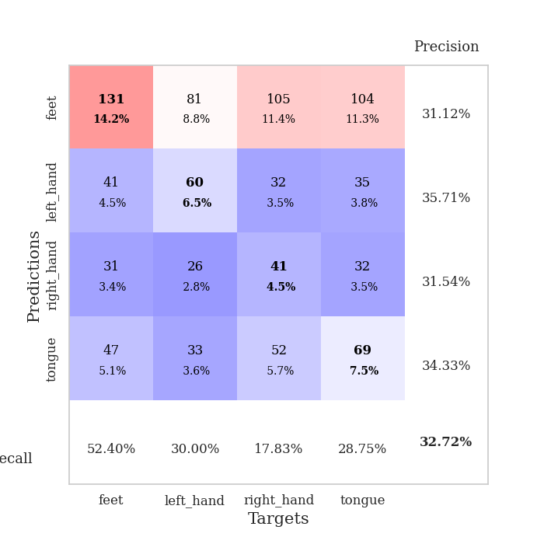

best_val_acc | best_val_los | best_test_acc
0.33695652174 | 1.6600633963 | 0.29310344828
0.3152173913 | 1.383570132 | 0.19827586207
0.3152173913 | 1.6036400795 | 0.25
0.35869565217 | 1.3987008126 | 0.25
0.3152173913 | 1.431098031 | 0.20689655172
0.28260869565 | 1.3928664301 | 0.25
0.33695652174 | 1.5411123659 | 0.25862068966
0.36956521739 | 1.3901193505 | 0.29310344828
0.3152173913 | 1.3753585245 | 0.25862068966
0.32608695652 | 1.4366013693 | 0.25

Mean,std Val accuracy is 0.32717391304347826 , 0.02481288937429555 and mean, std test accuracy is 0.25086206896551727 , 0.03053287691756205

Sheet1
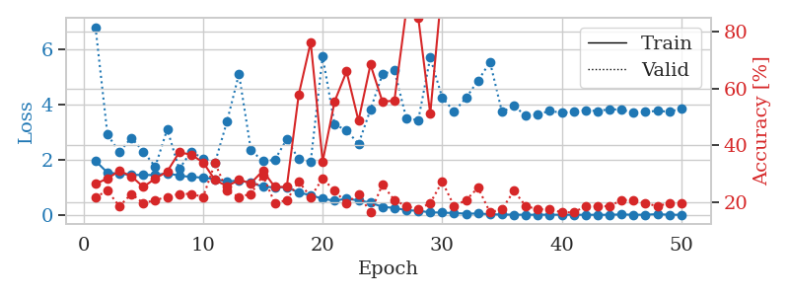
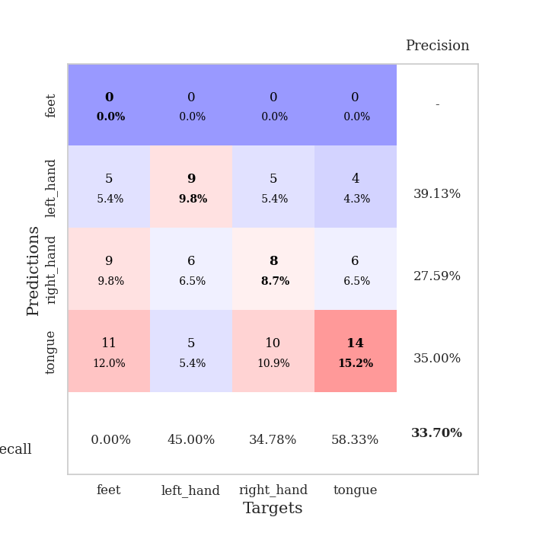
train_loss | valid_loss | train_accuracy | valid_accuracy | dur | train_misclass | valid_misclass
1.9534448541 | 6.7961634035 | 0.26358695652 | 0.21739130435 | 1.1533257961 | 26.358695652 | 21.739130435
1.5343620362 | 2.9068519914 | 0.28260869565 | 0.23913043478 | 1.1501238346 | 28.260869565 | 23.913043478
1.4878061699 | 2.2745245488 | 0.3097826087 | 0.1847826087 | 1.1487891674 | 30.97826087 | 18.47826087
1.4515682718 | 2.7942673901 | 0.29076086957 | 0.22826086957 | 1.1514828205 | 29.076086957 | 22.826086957
1.4474279103 | 2.296380525 | 0.2527173913 | 0.19565217391 | 1.1522090435 | 25.27173913 | 19.565217391
1.4460619118 | 1.7464252814 | 0.28260869565 | 0.20652173913 | 1.1512420177 | 28.260869565 | 20.652173913
1.5084834047 | 3.1069444522 | 0.30706521739 | 0.21739130435 | 1.1524465084 | 30.706521739 | 21.739130435
1.4232094962 | 1.6600633963 | 0.375 | 0.22826086957 | 1.1520340443 | 37.5 | 22.826086957
1.3759296822 | 2.2913127567 | 0.36684782609 | 0.22826086957 | 1.1516804695 | 36.684782609 | 22.826086957
1.3506967659 | 2.0465853111 | 0.33967391304 | 0.21739130435 | 1.151519537 | 33.967391304 | 21.739130435
1.2967865052 | 1.8976247829 | 0.27717391304 | 0.33695652174 | 1.1524441242 | 27.717391304 | 33.695652174
1.2076405157 | 3.3792248912 | 0.25543478261 | 0.23913043478 | 1.1533577442 | 25.543478261 | 23.913043478
1.2476377124 | 5.1021483152 | 0.27717391304 | 0.21739130435 | 1.1516008377 | 27.717391304 | 21.739130435
1.1650478918 | 2.3498303683 | 0.26630434783 | 0.22826086957 | 1.1514229774 | 26.630434783 | 22.826086957
1.026303154 | 1.9429050114 | 0.3097826087 | 0.29347826087 | 1.1524970531 | 30.97826087 | 29.347826087
0.99577251984 | 1.9936412625 | 0.2527173913 | 0.19565217391 | 1.1516346931 | 25.27173913 | 19.565217391
1.0068076875 | 2.74259305 | 0.2527173913 | 0.20652173913 | 1.151696682 | 25.27173913 | 20.652173913
0.80875636443 | 2.0172500507 | 0.57880434783 | 0.27173913043 | 1.1520812511 | 57.880434783 | 27.173913043
0.71561358675 | 1.9305090282 | 0.76358695652 | 0.21739130435 | 1.1515824795 | 76.358695652 | 21.739130435
0.58410289884 | 5.740227492 | 0.34239130435 | 0.28260869565 | 1.151986599 | 34.239130435 | 28.260869565
0.51506574905 | 3.2750325203 | 0.55434782609 | 0.23913043478 | 1.1523513794 | 55.434782609 | 23.913043478
0.58736730399 | 3.0632450684 | 0.66032608696 | 0.19565217391 | 1.1522204876 | 66.032608696 | 19.565217391
0.52665535199 | 2.569726011 | 0.48641304348 | 0.22826086957 | 1.1523580551 | 48.641304348 | 22.826086957
0.44711194414 | 3.8131351471 | 0.6847826087 | 0.16304347826 | 1.1524395943 | 68.47826087 | 16.304347826
0.29199580978 | 5.0899749424 | 0.55434782609 | 0.26086956522 | 1.1523063183 | 55.434782609 | 26.086956522
0.25431119294 | 5.2337484567 | 0.55706521739 | 0.20652173913 | 1.152589798 | 55.706521739 | 20.652173913
0.17245487302 | 3.4912052777 | 0.8777173913 | 0.1847826087 | 1.1531324387 | 87.77173913 | 18.47826087
0.14948785483 | 3.4338295149 | 0.85054347826 | 0.17391304348 | 1.1525483131 | 85.054347826 | 17.391304348
0.094171347582 | 5.6954507828 | 0.51086956522 | 0.19565217391 | 1.1524379253 | 51.086956522 | 19.565217391
0.084373833126 | 4.2468647542 | 0.96739130435 | 0.27173913043 | 1.1524538994 | 96.739130435 | 27.173913043
0.068696778571 | 3.7428399791 | 0.9375 | 0.1847826087 | 1.1519207954 | 93.75 | 18.47826087
0.048192169639 | 4.2400738053 | 0.99184782609 | 0.20652173913 | 1.1528835297 | 99.184782609 | 20.652173913
0.051905893822 | 4.8590408615 | 0.96467391304 | 0.25 | 1.1525008678 | 96.467391304 | 25
0.026173629859 | 5.5347304344 | 0.97554347826 | 0.16304347826 | 1.1529188156 | 97.554347826 | 16.304347826
0.01339408237 | 3.7280361963 | 1 | 0.17391304348 | 1.1524586678 | 100 | 17.391304348
0.011519790647 | 3.9457285715 | 1 | 0.23913043478 | 1.152381897 | 100 | 23.913043478
0.0070414056485 | 3.5867381511 | 1 | 0.1847826087 | 1.1520051956 | 100 | 18.47826087
0.0090507345234 | 3.6441006246 | 1 | 0.17391304348 | 1.1530230045 | 100 | 17.391304348
0.0082520695034 | 3.7645652812 | 1 | 0.17391304348 | 1.152889967 | 100 | 17.391304348
0.007565378672 | 3.696617396 | 1 | 0.16304347826 | 1.1534590721 | 100 | 16.304347826
0.0042550703333 | 3.7405195444 | 1 | 0.16304347826 | 1.153172493 | 100 | 16.304347826
0.0082336793623 | 3.7947623419 | 1 | 0.1847826087 | 1.1535894871 | 100 | 18.47826087
0.0046455396754 | 3.756150681 | 1 | 0.1847826087 | 1.1531505585 | 100 | 18.47826087
0.0063902095527 | 3.830526808 | 1 | 0.1847826087 | 1.1532444954 | 100 | 18.47826087
0.019341774811 | 3.8035210527 | 1 | 0.20652173913 | 1.1533908844 | 100 | 20.652173913
0.0076311860061 | 3.7062675435 | 1 | 0.20652173913 | 1.1536281109 | 100 | 20.652173913
0.0086859597207 | 3.7288154726 | 1 | 0.19565217391 | 1.1527633667 | 100 | 19.565217391
0.03142251956 | 3.769273447 | 1 | 0.1847826087 | 1.1535377502 | 100 | 18.47826087
0.0058308068167 | 3.7333536355 | 1 | 0.19565217391 | 1.1536004543 | 100 | 19.565217391
0.0076634080539 | 3.854503217 | 1 | 0.19565217391 | 1.1535265446 | 100 | 19.565217391

Best Val accuracy is 0.33695652173913043 and Best test accuracy is 0.29310344827586204

Sheet2
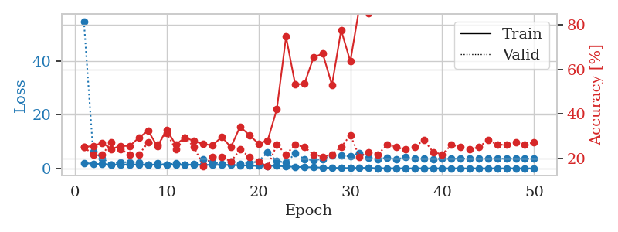
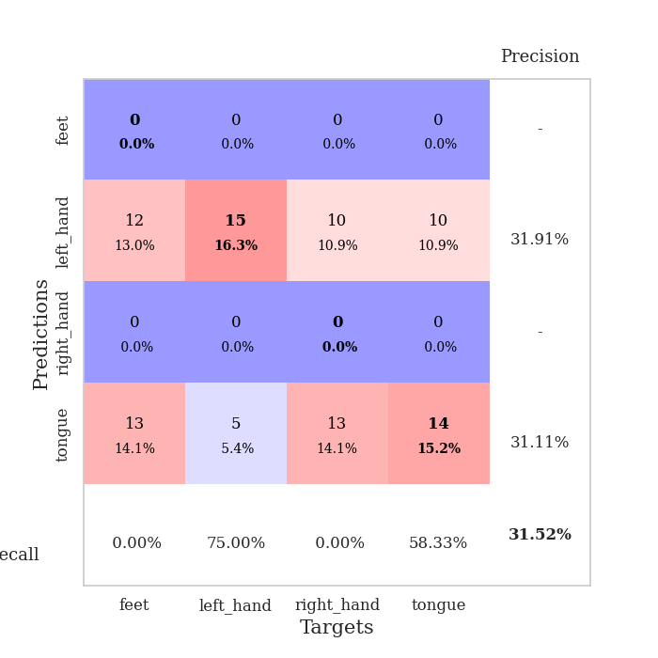
train_loss | valid_loss | train_accuracy | valid_accuracy | dur | train_misclass | valid_misclass
2.0888415264 | 54.911480365 | 0.25 | 0.25 | 1.1558992863 | 25 | 25
1.6401631521 | 6.2092808122 | 0.25543478261 | 0.21739130435 | 1.1506054401 | 25.543478261 | 21.739130435
1.6191428278 | 3.7719595484 | 0.26902173913 | 0.21739130435 | 1.1503214836 | 26.902173913 | 21.739130435
1.4198194639 | 1.4524074067 | 0.24184782609 | 0.27173913043 | 1.1499795914 | 24.184782609 | 27.173913043
1.4225884676 | 2.3288093598 | 0.25543478261 | 0.23913043478 | 1.1510050297 | 25.543478261 | 23.913043478
1.4377925862 | 2.2851712082 | 0.25543478261 | 0.21739130435 | 1.1511330605 | 25.543478261 | 21.739130435
1.4238055944 | 2.3362986782 | 0.29347826087 | 0.21739130435 | 1.150690794 | 29.347826087 | 21.739130435
1.4384996114 | 1.4366260301 | 0.32336956522 | 0.27173913043 | 1.1498670578 | 32.336956522 | 27.173913043
1.3724438937 | 1.8331390619 | 0.2527173913 | 0.26086956522 | 1.1508171558 | 25.27173913 | 26.086956522
1.3818406126 | 1.383570132 | 0.32880434783 | 0.3152173913 | 1.1504602432 | 32.880434783 | 31.52173913
1.3530169311 | 1.8585629256 | 0.26086956522 | 0.23913043478 | 1.1523983479 | 26.086956522 | 23.913043478
1.3794944494 | 1.4249219946 | 0.29347826087 | 0.29347826087 | 1.1505491734 | 29.347826087 | 29.347826087
1.345459653 | 1.5261864869 | 0.27717391304 | 0.25 | 1.1506538391 | 27.717391304 | 25
1.3480255137 | 3.2626425339 | 0.26358695652 | 0.16304347826 | 1.152071476 | 26.358695652 | 16.304347826
1.2980462157 | 2.221215839 | 0.25815217391 | 0.20652173913 | 1.151040554 | 25.815217391 | 20.652173913
1.3469028369 | 1.6780359486 | 0.29619565217 | 0.20652173913 | 1.1509594917 | 29.619565217 | 20.652173913
1.2649193639 | 2.4470185663 | 0.25 | 0.1847826087 | 1.1507093906 | 25 | 18.47826087
1.1617958027 | 1.5931442302 | 0.34239130435 | 0.23913043478 | 1.1504788399 | 34.239130435 | 23.913043478
1.041244937 | 2.0131050918 | 0.30434782609 | 0.20652173913 | 1.1516222954 | 30.434782609 | 20.652173913
0.94827200278 | 2.6127262219 | 0.26630434783 | 0.1847826087 | 1.1508131027 | 26.630434783 | 18.47826087
0.93566315589 | 6.0195390245 | 0.27989130435 | 0.16304347826 | 1.1514129639 | 27.989130435 | 16.304347826
0.97457852571 | 2.6916702623 | 0.42119565217 | 0.26086956522 | 1.1514360905 | 42.119565217 | 26.086956522
0.70107478681 | 2.1586949514 | 0.7472826087 | 0.21739130435 | 1.1510543823 | 74.72826087 | 21.739130435
0.57635046736 | 5.5769759883 | 0.53260869565 | 0.26086956522 | 1.1514239311 | 53.260869565 | 26.086956522
0.46240445712 | 3.4953620848 | 0.53532608696 | 0.25 | 1.1514155865 | 53.532608696 | 25
0.38114773838 | 3.054043832 | 0.65489130435 | 0.21739130435 | 1.1512246132 | 65.489130435 | 21.739130435
0.28482698358 | 3.5283724743 | 0.67119565217 | 0.20652173913 | 1.1522643566 | 67.119565217 | 20.652173913
0.20054958809 | 4.8621349957 | 0.52989130435 | 0.21739130435 | 1.1523222923 | 52.989130435 | 21.739130435
0.14629148206 | 4.7806966408 | 0.77717391304 | 0.25 | 1.1523780823 | 77.717391304 | 25
0.10866156261 | 4.4730856937 | 0.63586956522 | 0.30434782609 | 1.1530778408 | 63.586956522 | 30.434782609
0.18219231401 | 5.8364872725 | 0.88315217391 | 0.20652173913 | 1.1526319981 | 88.315217391 | 20.652173913
0.16734619374 | 3.8733062744 | 0.85326086957 | 0.22826086957 | 1.1533651352 | 85.326086957 | 22.826086957
0.072712586261 | 3.5372082254 | 0.98097826087 | 0.21739130435 | 1.152630806 | 98.097826087 | 21.739130435
0.044271384933 | 3.9371793996 | 0.99456521739 | 0.26086956522 | 1.152107954 | 99.456521739 | 26.086956522
0.029475235785 | 3.401391444 | 1 | 0.25 | 1.1521463394 | 100 | 25
0.018555381599 | 4.1225832856 | 1 | 0.23913043478 | 1.1516399384 | 100 | 23.913043478
0.014503738549 | 3.5695658145 | 1 | 0.25 | 1.1528003216 | 100 | 25
0.020019822238 | 3.6557297085 | 1 | 0.28260869565 | 1.1529996395 | 100 | 28.260869565
0.015219449865 | 3.529381949 | 1 | 0.22826086957 | 1.151774168 | 100 | 22.826086957
0.0093029743698 | 3.5700090346 | 1 | 0.21739130435 | 1.1513078213 | 100 | 21.739130435
0.0083509922918 | 3.6037467459 | 1 | 0.26086956522 | 1.1531596184 | 100 | 26.086956522
0.013507340022 | 3.6364801759 | 1 | 0.25 | 1.1529052258 | 100 | 25
0.0081010029459 | 3.6780515339 | 1 | 0.23913043478 | 1.150431633 | 100 | 23.913043478
0.0080690540414 | 3.6524040388 | 1 | 0.25 | 1.1522636414 | 100 | 25
0.010119130987 | 3.664899795 | 1 | 0.28260869565 | 1.1526727676 | 100 | 28.260869565
0.009042048427 | 3.6287687654 | 1 | 0.26086956522 | 1.151279211 | 100 | 26.086956522
0.021091693106 | 3.631779339 | 1 | 0.26086956522 | 1.1531832218 | 100 | 26.086956522
0.0060771033876 | 3.6124408556 | 1 | 0.27173913043 | 1.1516225338 | 100 | 27.173913043
0.0057004296332 | 3.6486064558 | 1 | 0.26086956522 | 1.1515488625 | 100 | 26.086956522
0.0086744834426 | 3.6542622628 | 1 | 0.27173913043 | 1.1530430317 | 100 | 27.173913043

Best Val accuracy is 0.31521739130434784 and Best test accuracy is 0.19827586206896552

Sheet3
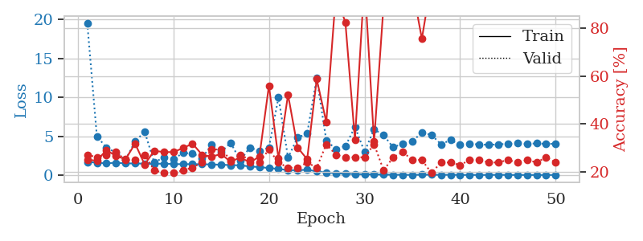
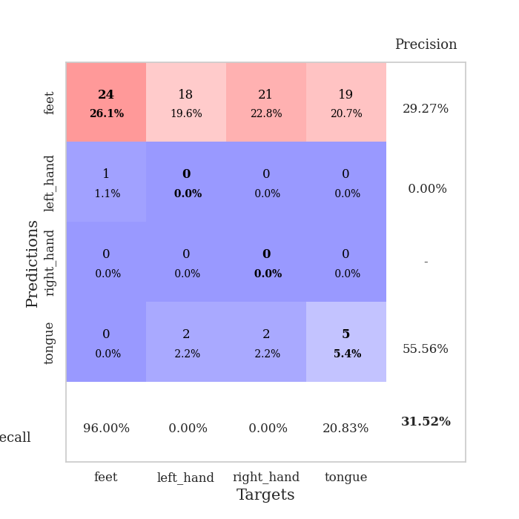
train_loss | valid_loss | train_accuracy | valid_accuracy | dur | train_misclass | valid_misclass
1.691445247 | 19.492109838 | 0.25 | 0.27173913043 | 1.1571850777 | 25 | 27.173913043
1.5860712269 | 4.9812676803 | 0.2472826087 | 0.26086956522 | 1.1496772766 | 24.72826087 | 26.086956522
1.5163785841 | 3.5311179317 | 0.29076086957 | 0.27173913043 | 1.150236845 | 29.076086957 | 27.173913043
1.5801551549 | 2.8814945065 | 0.26630434783 | 0.28260869565 | 1.1503005028 | 26.630434783 | 28.260869565
1.4983683151 | 1.9747981818 | 0.2527173913 | 0.25 | 1.1509122849 | 25.27173913 | 25
1.4876823373 | 4.3333848715 | 0.31793478261 | 0.25 | 1.1503946781 | 31.793478261 | 25
1.4653593405 | 5.5801393416 | 0.23097826087 | 0.27173913043 | 1.150077343 | 23.097826087 | 27.173913043
1.4305897433 | 1.6036400795 | 0.28804347826 | 0.20652173913 | 1.1507072449 | 28.804347826 | 20.652173913
1.4754421918 | 2.2904668528 | 0.28260869565 | 0.19565217391 | 1.1505563259 | 28.260869565 | 19.565217391
1.4156542965 | 2.0233035243 | 0.28260869565 | 0.19565217391 | 1.150728941 | 28.260869565 | 19.565217391
1.3948174093 | 2.8474730668 | 0.29891304348 | 0.20652173913 | 1.1510584354 | 29.891304348 | 20.652173913
1.3994499756 | 2.7565834626 | 0.31793478261 | 0.21739130435 | 1.1522369385 | 31.793478261 | 21.739130435
1.3856991633 | 2.2072865911 | 0.27173913043 | 0.23913043478 | 1.152513504 | 27.173913043 | 23.913043478
1.3606676019 | 3.8685152427 | 0.26358695652 | 0.29347826087 | 1.1518270969 | 26.358695652 | 29.347826087
1.3259443356 | 2.9790774221 | 0.27445652174 | 0.29347826087 | 1.1534054279 | 27.445652174 | 29.347826087
1.2783210589 | 4.1557655334 | 0.24184782609 | 0.25 | 1.150547266 | 24.184782609 | 25
1.246868657 | 1.8566242094 | 0.26086956522 | 0.27173913043 | 1.1515991688 | 26.086956522 | 27.173913043
1.1099412441 | 3.5482429629 | 0.23913043478 | 0.25 | 1.1508586407 | 23.913043478 | 25
1.0187030383 | 3.0857813773 | 0.26358695652 | 0.23913043478 | 1.1506409645 | 26.358695652 | 23.913043478
0.90296140184 | 3.5288046028 | 0.5597826087 | 0.29347826087 | 1.1518201828 | 55.97826087 | 29.347826087
0.7803411095 | 10.003355731 | 0.25543478261 | 0.23913043478 | 1.1520445347 | 25.543478261 | 23.913043478
0.63370596067 | 2.222596863 | 0.52173913043 | 0.21739130435 | 1.1524369717 | 52.173913043 | 21.739130435
0.61614982589 | 4.8351795984 | 0.30163043478 | 0.21739130435 | 1.1525464058 | 30.163043478 | 21.739130435
0.68124861562 | 5.319371182 | 0.2527173913 | 0.23913043478 | 1.1515343189 | 25.27173913 | 23.913043478
0.48094256287 | 12.507964466 | 0.58695652174 | 0.21739130435 | 1.1524004936 | 58.695652174 | 21.739130435
0.30107364382 | 4.4565440261 | 0.40760869565 | 0.3152173913 | 1.1528420448 | 40.760869565 | 31.52173913
0.2395559815 | 3.3352200881 | 0.9402173913 | 0.27173913043 | 1.1529948711 | 94.02173913 | 27.173913043
0.14806757373 | 3.7053207315 | 0.82336956522 | 0.26086956522 | 1.1522464752 | 82.336956522 | 26.086956522
0.13993546537 | 6.2167775113 | 0.33423913043 | 0.26086956522 | 1.1521906853 | 33.423913043 | 26.086956522
0.085615775588 | 2.9982309134 | 1 | 0.26086956522 | 1.1516506672 | 100 | 26.086956522
0.081740249556 | 5.886330418 | 0.32608695652 | 0.3152173913 | 1.151853323 | 32.608695652 | 31.52173913
0.054277885705 | 5.125245198 | 0.89945652174 | 0.20652173913 | 1.1514420509 | 89.945652174 | 20.652173913
0.038342974918 | 3.5605966216 | 1 | 0.26086956522 | 1.1532692909 | 100 | 26.086956522
0.032755008676 | 4.0554697825 | 0.92663043478 | 0.28260869565 | 1.1526045799 | 92.663043478 | 28.260869565
0.016288305694 | 4.3303572717 | 0.97010869565 | 0.25 | 1.1533722878 | 97.010869565 | 25
0.042693803249 | 5.4681363106 | 0.75543478261 | 0.25 | 1.1528868675 | 75.543478261 | 25
0.040880116209 | 5.1711159167 | 0.99456521739 | 0.19565217391 | 1.15325737 | 99.456521739 | 19.565217391
0.019054641158 | 3.9663925897 | 1 | 0.23913043478 | 1.1523938179 | 100 | 23.913043478
0.033070850429 | 4.5020115479 | 1 | 0.23913043478 | 1.1532618999 | 100 | 23.913043478
0.012878100135 | 3.9383168428 | 1 | 0.22826086957 | 1.1524803638 | 100 | 22.826086957
0.012534980252 | 3.9818221071 | 1 | 0.25 | 1.1533443928 | 100 | 25
0.0092102960056 | 3.9654729263 | 1 | 0.25 | 1.1532599926 | 100 | 25
0.010851027135 | 3.8694898668 | 1 | 0.23913043478 | 1.1526305676 | 100 | 23.913043478
0.02807946616 | 3.9632507925 | 1 | 0.23913043478 | 1.1533784866 | 100 | 23.913043478
0.010133866777 | 4.0115561174 | 1 | 0.25 | 1.1540350914 | 100 | 25
0.010882803639 | 4.1027802592 | 1 | 0.23913043478 | 1.1535475254 | 100 | 23.913043478
0.0087878954668 | 3.9902276267 | 1 | 0.25 | 1.1525838375 | 100 | 25
0.0052820524484 | 4.0790778347 | 1 | 0.23913043478 | 1.1529881954 | 100 | 23.913043478
0.0099122095043 | 4.0000446983 | 1 | 0.26086956522 | 1.1529963017 | 100 | 26.086956522
0.0089617512978 | 4.045841953 | 1 | 0.23913043478 | 1.1532688141 | 100 | 23.913043478

Best Val accuracy is 0.31521739130434784 and Best test accuracy is 0.25

Sheet4
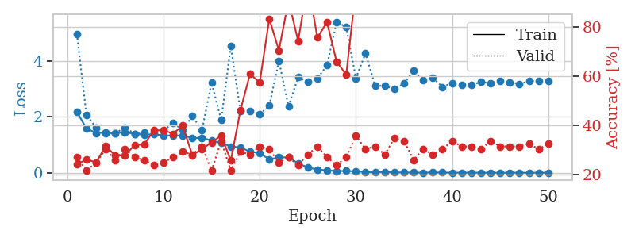
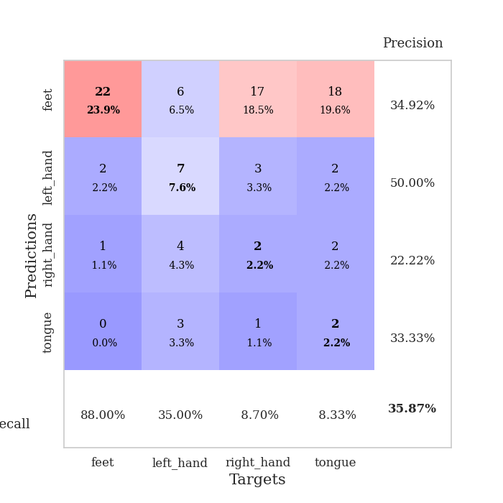
train_loss | valid_loss | train_accuracy | valid_accuracy | dur | train_misclass | valid_misclass
2.17370054 | 4.9663128024 | 0.24184782609 | 0.27173913043 | 1.1580107212 | 24.184782609 | 27.173913043
1.5878551784 | 2.0601796326 | 0.26358695652 | 0.21739130435 | 1.1508171558 | 26.358695652 | 21.739130435
1.4267333487 | 1.6159291941 | 0.25 | 0.25 | 1.1506490707 | 25 | 25
1.4316745375 | 1.4030416737 | 0.31793478261 | 0.30434782609 | 1.1511116028 | 31.793478261 | 30.434782609
1.4266870074 | 1.4180812006 | 0.27717391304 | 0.26086956522 | 1.1486911774 | 27.717391304 | 26.086956522
1.4420598745 | 1.6187928915 | 0.27989130435 | 0.30434782609 | 1.1529362202 | 27.989130435 | 30.434782609
1.397165143 | 1.3987008126 | 0.32065217391 | 0.27173913043 | 1.1515164375 | 32.065217391 | 27.173913043
1.3687829194 | 1.4533332275 | 0.32336956522 | 0.26086956522 | 1.1519064903 | 32.336956522 | 26.086956522
1.374406317 | 1.4297237033 | 0.38043478261 | 0.23913043478 | 1.1510083675 | 38.043478261 | 23.913043478
1.3398573191 | 1.5051933527 | 0.38043478261 | 0.25 | 1.1517224312 | 38.043478261 | 25
1.3278720742 | 1.7915218809 | 0.36684782609 | 0.27173913043 | 1.1521463394 | 36.684782609 | 27.173913043
1.3368956213 | 1.5170707443 | 0.39945652174 | 0.29347826087 | 1.151664257 | 39.945652174 | 29.347826087
1.2449220056 | 2.03823285 | 0.27989130435 | 0.28260869565 | 1.1518514156 | 27.989130435 | 28.260869565
1.2481833204 | 1.5140296946 | 0.30434782609 | 0.3152173913 | 1.1522500515 | 30.434782609 | 31.52173913
1.1592515033 | 3.2216532023 | 0.33152173913 | 0.21739130435 | 1.153182745 | 33.152173913 | 21.739130435
1.0641783269 | 1.8889639429 | 0.35869565217 | 0.33695652174 | 1.1509776115 | 35.869565217 | 33.695652174
0.94467123954 | 4.5204664106 | 0.25815217391 | 0.21739130435 | 1.154602766 | 25.815217391 | 21.739130435
0.90408684119 | 2.1997013662 | 0.46195652174 | 0.29347826087 | 1.1506671906 | 46.195652174 | 29.347826087
0.75877759897 | 2.2185443432 | 0.60869565217 | 0.28260869565 | 1.1493699551 | 60.869565217 | 28.260869565
0.70115191392 | 2.093545582 | 0.57336956522 | 0.3152173913 | 1.1501863003 | 57.336956522 | 31.52173913
0.48682081699 | 2.3936709321 | 0.83152173913 | 0.30434782609 | 1.1500234604 | 83.152173913 | 30.434782609
0.54988464519 | 3.9949035748 | 0.70380434783 | 0.25 | 1.1500325203 | 70.380434783 | 25
0.55456719386 | 2.3722730305 | 0.90489130435 | 0.27173913043 | 1.1545135975 | 90.489130435 | 27.173913043
0.33971863402 | 3.4187013792 | 0.74184782609 | 0.23913043478 | 1.1510193348 | 74.184782609 | 23.913043478
0.19555104443 | 3.2583853162 | 0.97826086957 | 0.28260869565 | 1.1503252983 | 97.826086957 | 28.260869565
0.11758006882 | 3.3713125561 | 0.75543478261 | 0.3152173913 | 1.1500999928 | 75.543478261 | 31.52173913
0.094629395308 | 3.838225883 | 0.81793478261 | 0.27173913043 | 1.1505692005 | 81.793478261 | 27.173913043
0.060301908899 | 5.3931495107 | 0.65760869565 | 0.23913043478 | 1.1513674259 | 65.760869565 | 23.913043478
0.070748198008 | 5.2045785033 | 0.60597826087 | 0.27173913043 | 1.1512818336 | 60.597826087 | 27.173913043
0.050673354377 | 3.3749376587 | 0.95380434783 | 0.35869565217 | 1.151519537 | 95.380434783 | 35.869565217
0.032404005305 | 4.2727390476 | 0.92391304348 | 0.30434782609 | 1.1510162354 | 92.391304348 | 30.434782609
0.023870000454 | 3.1108097097 | 0.99184782609 | 0.3152173913 | 1.1518051624 | 99.184782609 | 31.52173913
0.035559795574 | 3.1068462807 | 0.9972826087 | 0.28260869565 | 1.151263237 | 99.72826087 | 28.260869565
0.019416641161 | 2.9936200536 | 1 | 0.34782608696 | 1.1517500877 | 100 | 34.782608696
0.013981271748 | 3.1885538516 | 1 | 0.33695652174 | 1.1510848999 | 100 | 33.695652174
0.01285768523 | 3.6411612086 | 1 | 0.26086956522 | 1.1514730453 | 100 | 26.086956522
0.010173493763 | 3.2980534046 | 1 | 0.30434782609 | 1.1511394978 | 100 | 30.434782609
0.017153476517 | 3.3921015366 | 1 | 0.28260869565 | 1.1507675648 | 100 | 28.260869565
0.011820337376 | 3.067257622 | 1 | 0.30434782609 | 1.1509592533 | 100 | 30.434782609
0.010648043548 | 3.2106923798 | 1 | 0.33695652174 | 1.1507465839 | 100 | 33.695652174
0.0086539726421 | 3.1430522411 | 1 | 0.3152173913 | 1.1514399052 | 100 | 31.52173913
0.0095608696422 | 3.1552725408 | 1 | 0.3152173913 | 1.1519403458 | 100 | 31.52173913
0.0089256403786 | 3.240796027 | 1 | 0.30434782609 | 1.1510162354 | 100 | 30.434782609
0.00553383929 | 3.2050154468 | 1 | 0.33695652174 | 1.1508789062 | 100 | 33.695652174
0.0046373118454 | 3.2888398741 | 1 | 0.3152173913 | 1.1521618366 | 100 | 31.52173913
0.0057209456623 | 3.2402093462 | 1 | 0.3152173913 | 1.1520040035 | 100 | 31.52173913
0.0077319153377 | 3.1780479473 | 1 | 0.3152173913 | 1.1522810459 | 100 | 31.52173913
0.0053689843727 | 3.2729596625 | 1 | 0.32608695652 | 1.1524534225 | 100 | 32.608695652
0.0094045868078 | 3.2835444782 | 1 | 0.30434782609 | 1.1520791054 | 100 | 30.434782609
0.005430717287 | 3.2811194036 | 1 | 0.32608695652 | 1.1515972614 | 100 | 32.608695652

Best Val accuracy is 0.358695652173913 and Best test accuracy is 0.25

Sheet5
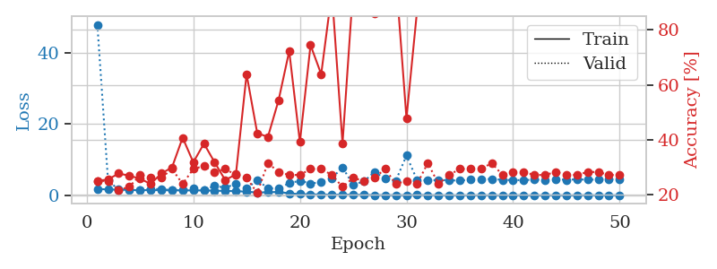
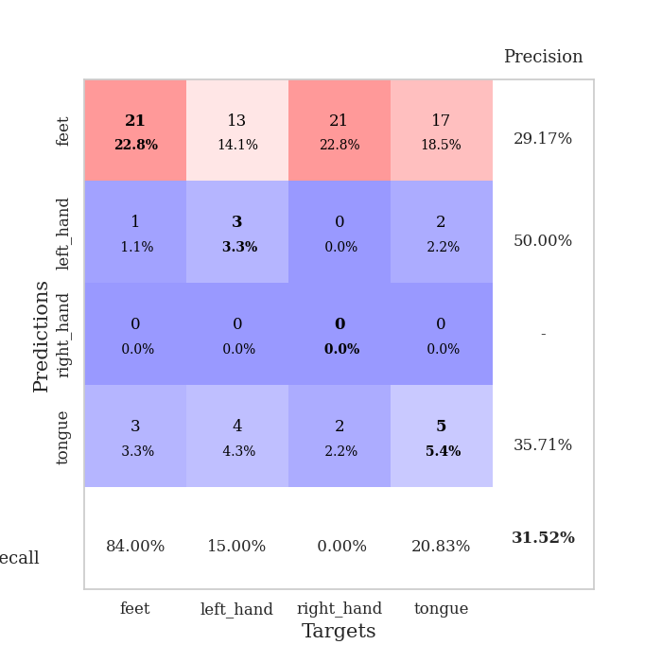
train_loss | valid_loss | train_accuracy | valid_accuracy | dur | train_misclass | valid_misclass
1.8105506638 | 47.873128145 | 0.25 | 0.25 | 1.1535859108 | 25 | 25
1.6019860765 | 4.0994665882 | 0.25543478261 | 0.25 | 1.1490702629 | 25.543478261 | 25
1.5898409615 | 1.5704215143 | 0.27717391304 | 0.21739130435 | 1.1501522064 | 27.717391304 | 21.739130435
1.4735061241 | 1.6892184641 | 0.26902173913 | 0.22826086957 | 1.151624918 | 26.902173913 | 22.826086957
1.4333275194 | 1.4525024373 | 0.25815217391 | 0.27173913043 | 1.1509206295 | 25.815217391 | 27.173913043
1.4401579732 | 1.6926667483 | 0.23913043478 | 0.26086956522 | 1.1520144939 | 23.913043478 | 26.086956522
1.4228122649 | 1.7551340901 | 0.27717391304 | 0.26086956522 | 1.1533854008 | 27.717391304 | 26.086956522
1.3969570657 | 1.431098031 | 0.29891304348 | 0.29347826087 | 1.1512076855 | 29.891304348 | 29.347826087
1.3856299027 | 1.5299419579 | 0.40760869565 | 0.23913043478 | 1.1505577564 | 40.760869565 | 23.913043478
1.3523468349 | 1.8848988077 | 0.31793478261 | 0.29347826087 | 1.1512191296 | 31.793478261 | 29.347826087
1.3585236539 | 1.5215574918 | 0.38586956522 | 0.30434782609 | 1.1510906219 | 38.586956522 | 30.434782609
1.2867337413 | 2.5974328 | 0.31793478261 | 0.28260869565 | 1.1514542103 | 31.793478261 | 28.260869565
1.2211877341 | 2.1464856293 | 0.2527173913 | 0.29347826087 | 1.1513762474 | 25.27173913 | 29.347826087
1.1652894227 | 3.1725575406 | 0.27445652174 | 0.27173913043 | 1.1514942646 | 27.445652174 | 27.173913043
1.0007191767 | 1.8354299587 | 0.63858695652 | 0.26086956522 | 1.1509180069 | 63.858695652 | 26.086956522
0.7819486701 | 4.3049595045 | 0.42391304348 | 0.20652173913 | 1.1517441273 | 42.391304348 | 20.652173913
0.83857433433 | 1.9452812257 | 0.41032608696 | 0.3152173913 | 1.151699543 | 41.032608696 | 31.52173913
0.93956757499 | 1.9211104745 | 0.54347826087 | 0.28260869565 | 1.150383234 | 54.347826087 | 28.260869565
0.53256720175 | 3.4016864196 | 0.72282608696 | 0.27173913043 | 1.1504969597 | 72.282608696 | 27.173913043
0.33033571846 | 4.0647677131 | 0.39130434783 | 0.27173913043 | 1.1510057449 | 39.130434783 | 27.173913043
0.24382525391 | 3.3277837712 | 0.74456521739 | 0.29347826087 | 1.1504962444 | 74.456521739 | 29.347826087
0.23493535266 | 3.6477460239 | 0.63858695652 | 0.29347826087 | 1.150468111 | 63.858695652 | 29.347826087
0.15657339261 | 4.8255353285 | 0.9375 | 0.27173913043 | 1.1513049603 | 93.75 | 27.173913043
0.20577662195 | 7.7689855202 | 0.38586956522 | 0.22826086957 | 1.1503789425 | 38.586956522 | 22.826086957
0.15902200657 | 3.0001107195 | 0.95380434783 | 0.26086956522 | 1.1509013176 | 95.380434783 | 26.086956522
0.13981518554 | 3.8465991124 | 0.91032608696 | 0.25 | 1.1503136158 | 91.032608696 | 25
0.060126133263 | 6.5503353658 | 0.85869565217 | 0.26086956522 | 1.151714325 | 85.869565217 | 26.086956522
0.053568061097 | 4.6529515308 | 1 | 0.29347826087 | 1.1508703232 | 100 | 29.347826087
0.036286235281 | 4.0876739647 | 1 | 0.23913043478 | 1.1511104107 | 100 | 23.913043478
0.044487351531 | 11.14118715 | 0.47826086957 | 0.25 | 1.1512994766 | 47.826086957 | 25
0.11278427271 | 4.2344211703 | 0.8722826087 | 0.23913043478 | 1.1515388489 | 87.22826087 | 23.913043478
0.049665676592 | 4.192140092 | 1 | 0.3152173913 | 1.1528337002 | 100 | 31.52173913
0.026525101736 | 4.2757803875 | 0.9972826087 | 0.23913043478 | 1.1519405842 | 99.72826087 | 23.913043478
0.012750169971 | 4.2219974476 | 1 | 0.27173913043 | 1.1524510384 | 100 | 27.173913043
0.018799848328 | 4.101172924 | 1 | 0.29347826087 | 1.1519460678 | 100 | 29.347826087
0.0090555729466 | 4.395587237 | 1 | 0.29347826087 | 1.1524879932 | 100 | 29.347826087
0.025409165572 | 4.4993071971 | 1 | 0.29347826087 | 1.1521875858 | 100 | 29.347826087
0.0078658594689 | 4.5648601781 | 1 | 0.3152173913 | 1.1523118019 | 100 | 31.52173913
0.007736229768 | 4.3273890018 | 1 | 0.27173913043 | 1.1519978046 | 100 | 27.173913043
0.014291642279 | 4.257695281 | 1 | 0.28260869565 | 1.1523048878 | 100 | 28.260869565
0.016446549172 | 4.2474714362 | 1 | 0.28260869565 | 1.1521530151 | 100 | 28.260869565
0.0073448814978 | 4.3743136862 | 1 | 0.27173913043 | 1.1527593136 | 100 | 27.173913043
0.017487860249 | 4.3106921341 | 1 | 0.27173913043 | 1.1526172161 | 100 | 27.173913043
0.023388101036 | 4.5201364082 | 1 | 0.28260869565 | 1.1531529427 | 100 | 28.260869565
0.0056878028782 | 4.3184271895 | 1 | 0.27173913043 | 1.1519398689 | 100 | 27.173913043
0.010416960602 | 4.4673453725 | 1 | 0.27173913043 | 1.152957201 | 100 | 27.173913043
0.03714250139 | 4.3623111663 | 1 | 0.28260869565 | 1.152588129 | 100 | 28.260869565
0.0065963830389 | 4.4034211843 | 1 | 0.28260869565 | 1.1538786888 | 100 | 28.260869565
0.014891054502 | 4.4262183645 | 1 | 0.27173913043 | 1.152867794 | 100 | 27.173913043
0.0055115286428 | 4.535197683 | 1 | 0.27173913043 | 1.1533596516 | 100 | 27.173913043

Best Val accuracy is 0.31521739130434784 and Best test accuracy is 0.20689655172413793

Sheet6
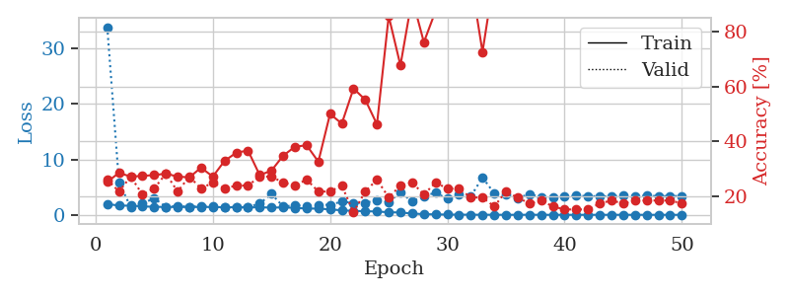
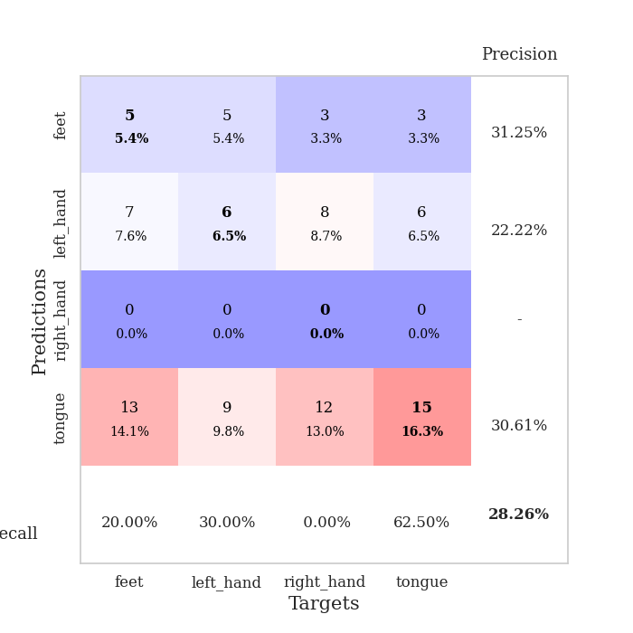
train_loss | valid_loss | train_accuracy | valid_accuracy | dur | train_misclass | valid_misclass
1.9671249493 | 33.83235127 | 0.2527173913 | 0.26086956522 | 1.1567211151 | 25.27173913 | 26.086956522
1.6616658076 | 5.8675372238 | 0.28532608696 | 0.21739130435 | 1.1481871605 | 28.532608696 | 21.739130435
1.6635905452 | 1.3928664301 | 0.27173913043 | 0.27173913043 | 1.1502251625 | 27.173913043 | 27.173913043
1.5241028692 | 2.0421694932 | 0.27445652174 | 0.20652173913 | 1.1505045891 | 27.445652174 | 20.652173913
1.4538071104 | 2.9907840957 | 0.27717391304 | 0.22826086957 | 1.1508948803 | 27.717391304 | 22.826086957
1.4208480483 | 1.4586827081 | 0.28260869565 | 0.28260869565 | 1.1511011124 | 28.260869565 | 28.260869565
1.4223421294 | 1.5946900534 | 0.27173913043 | 0.21739130435 | 1.1509590149 | 27.173913043 | 21.739130435
1.42696533 | 1.4508542185 | 0.26902173913 | 0.27173913043 | 1.1507163048 | 26.902173913 | 27.173913043
1.4191682442 | 1.5750761291 | 0.30434782609 | 0.22826086957 | 1.1514816284 | 30.434782609 | 22.826086957
1.4151236648 | 1.636530021 | 0.27173913043 | 0.25 | 1.151216507 | 27.173913043 | 25
1.3802026614 | 1.4597231616 | 0.32880434783 | 0.22826086957 | 1.1513476372 | 32.880434783 | 22.826086957
1.3657847798 | 1.4095509985 | 0.35869565217 | 0.23913043478 | 1.1515295506 | 35.869565217 | 23.913043478
1.3720798907 | 1.439654625 | 0.36684782609 | 0.23913043478 | 1.1512746811 | 36.684782609 | 23.913043478
1.3526595624 | 2.0112982211 | 0.27717391304 | 0.27173913043 | 1.1510670185 | 27.717391304 | 27.173913043
1.3160943778 | 3.7842295999 | 0.29347826087 | 0.27173913043 | 1.1513433456 | 29.347826087 | 27.173913043
1.3325719522 | 1.4959346885 | 0.34782608696 | 0.25 | 1.1516714096 | 34.782608696 | 25
1.2674763565 | 1.7391193069 | 0.38043478261 | 0.23913043478 | 1.1518113613 | 38.043478261 | 23.913043478
1.1292334925 | 1.5946933083 | 0.38586956522 | 0.26086956522 | 1.1514270306 | 38.586956522 | 26.086956522
1.1348785706 | 1.8143133547 | 0.32608695652 | 0.21739130435 | 1.1515965462 | 32.608695652 | 21.739130435
0.97759026548 | 1.8037659552 | 0.5 | 0.21739130435 | 1.1509585381 | 50 | 21.739130435
0.82298508157 | 2.3898963306 | 0.46467391304 | 0.23913043478 | 1.1511948109 | 46.467391304 | 23.913043478
0.70802666441 | 2.137452903 | 0.59239130435 | 0.14130434783 | 1.151160717 | 59.239130435 | 14.130434783
0.66093988652 | 2.1481527246 | 0.55163043478 | 0.21739130435 | 1.1519253254 | 55.163043478 | 21.739130435
0.60248878987 | 2.684387632 | 0.46195652174 | 0.26086956522 | 1.1513922215 | 46.195652174 | 26.086956522
0.47150511845 | 2.2860690096 | 0.85597826087 | 0.19565217391 | 1.1513185501 | 85.597826087 | 19.565217391
0.43160858556 | 4.0650490885 | 0.67663043478 | 0.23913043478 | 1.1514847279 | 67.663043478 | 23.913043478
0.23812403886 | 2.3992790554 | 0.92119565217 | 0.25 | 1.1520476341 | 92.119565217 | 25
0.13252746233 | 3.4254684863 | 0.76086956522 | 0.20652173913 | 1.1515626907 | 76.086956522 | 20.652173913
0.087484184977 | 3.9746718199 | 0.875 | 0.25 | 1.1508724689 | 87.5 | 25
0.047841827345 | 2.9084749947 | 1 | 0.22826086957 | 1.1512339115 | 100 | 22.826086957
0.042759476817 | 3.6446070049 | 1 | 0.22826086957 | 1.1519374847 | 100 | 22.826086957
0.022873020812 | 3.3359526655 | 0.99456521739 | 0.19565217391 | 1.1523370743 | 99.456521739 | 19.565217391
0.024549543999 | 6.7286040265 | 0.72554347826 | 0.19565217391 | 1.1522192955 | 72.554347826 | 19.565217391
0.018238543695 | 3.8967692956 | 1 | 0.16304347826 | 1.1523048878 | 100 | 16.304347826
0.010568440851 | 3.7707323406 | 1 | 0.21739130435 | 1.1519768238 | 100 | 21.739130435
0.010425010241 | 3.0624629207 | 1 | 0.19565217391 | 1.1521196365 | 100 | 19.565217391
0.018907357321 | 3.7082992222 | 1 | 0.17391304348 | 1.152692318 | 100 | 17.391304348
0.011059574661 | 3.2054158501 | 1 | 0.1847826087 | 1.1524806023 | 100 | 18.47826087
0.0070891304893 | 3.1459365928 | 1 | 0.16304347826 | 1.1528687477 | 100 | 16.304347826
0.0079942175754 | 3.286524161 | 1 | 0.15217391304 | 1.1522490978 | 100 | 15.217391304
0.0088526158361 | 3.4484649637 | 1 | 0.15217391304 | 1.1528947353 | 100 | 15.217391304
0.0085210179374 | 3.3757993346 | 1 | 0.15217391304 | 1.1527066231 | 100 | 15.217391304
0.0086719164746 | 3.3611950252 | 1 | 0.17391304348 | 1.1542773247 | 100 | 17.391304348
0.0079959044334 | 3.3342473507 | 1 | 0.1847826087 | 1.1548557281 | 100 | 18.47826087
0.011889118084 | 3.4904414882 | 1 | 0.17391304348 | 1.1530013084 | 100 | 17.391304348
0.006424263474 | 3.3783287691 | 1 | 0.1847826087 | 1.1531689167 | 100 | 18.47826087
0.010556125305 | 3.4548282105 | 1 | 0.1847826087 | 1.1528072357 | 100 | 18.47826087
0.004781129112 | 3.3712383768 | 1 | 0.1847826087 | 1.1529963017 | 100 | 18.47826087
0.0059817478405 | 3.3903216072 | 1 | 0.1847826087 | 1.1529147625 | 100 | 18.47826087
0.0043120860456 | 3.4155917893 | 1 | 0.17391304348 | 1.1522789001 | 100 | 17.391304348

Best Val accuracy is 0.2826086956521739 and Best test accuracy is 0.25

Sheet7
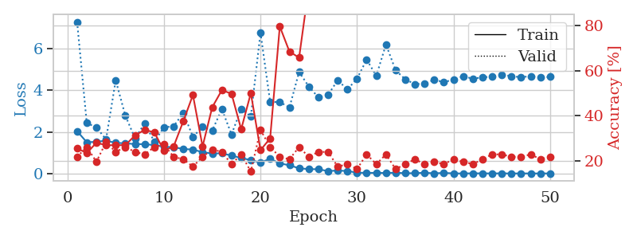
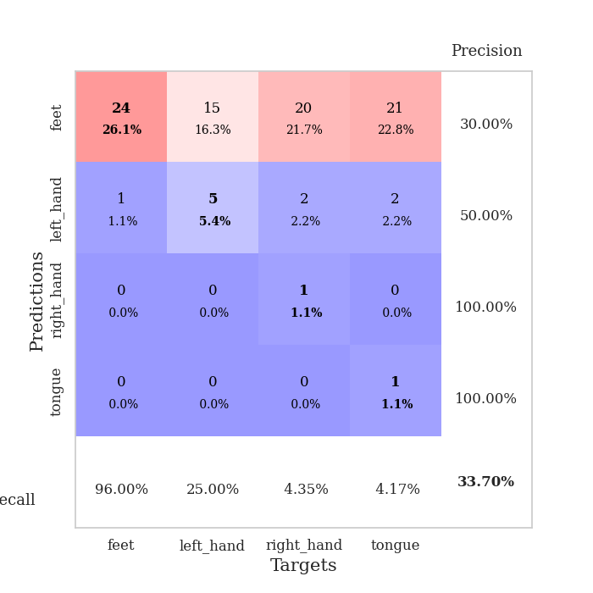
train_loss | valid_loss | train_accuracy | valid_accuracy | dur | train_misclass | valid_misclass
2.0398050495 | 7.2835189363 | 0.25543478261 | 0.21739130435 | 1.1585326195 | 25.543478261 | 21.739130435
1.5080072569 | 2.4293332981 | 0.23369565217 | 0.26086956522 | 1.1513671875 | 23.369565217 | 26.086956522
1.5254317678 | 2.2210865073 | 0.27989130435 | 0.19565217391 | 1.1516780853 | 27.989130435 | 19.565217391
1.5856412286 | 1.6446507962 | 0.26902173913 | 0.28260869565 | 1.1514658928 | 26.902173913 | 28.260869565
1.4746536431 | 4.4806087224 | 0.26902173913 | 0.23913043478 | 1.1539218426 | 26.902173913 | 23.913043478
1.4584788291 | 2.7836915928 | 0.26902173913 | 0.26086956522 | 1.1518316269 | 26.902173913 | 26.086956522
1.4163119586 | 1.6959123197 | 0.3125 | 0.23913043478 | 1.1507754326 | 31.25 | 23.913043478
1.4154750109 | 2.409055233 | 0.33695652174 | 0.22826086957 | 1.1516859531 | 33.695652174 | 22.826086957
1.368954275 | 1.5411123659 | 0.32608695652 | 0.26086956522 | 1.1520082951 | 32.608695652 | 26.086956522
1.2912954818 | 2.2259706725 | 0.24456521739 | 0.27173913043 | 1.1510379314 | 24.456521739 | 27.173913043
1.2679206366 | 2.2689817781 | 0.26358695652 | 0.21739130435 | 1.1516144276 | 26.358695652 | 21.739130435
1.1853048983 | 2.9172455124 | 0.375 | 0.20652173913 | 1.1518106461 | 37.5 | 20.652173913
1.153255232 | 1.771103123 | 0.49184782609 | 0.17391304348 | 1.1518931389 | 49.184782609 | 17.391304348
1.0305178917 | 2.2381387897 | 0.26358695652 | 0.21739130435 | 1.1518409252 | 26.358695652 | 21.739130435
0.96711188555 | 2.072609181 | 0.4375 | 0.25 | 1.1527483463 | 43.75 | 25
0.97518161846 | 3.094996784 | 0.51358695652 | 0.23913043478 | 1.1520447731 | 51.358695652 | 23.913043478
0.86469594551 | 1.8833544462 | 0.4972826087 | 0.1847826087 | 1.1518559456 | 49.72826087 | 18.47826087
0.75125232728 | 3.1093990906 | 0.33967391304 | 0.22826086957 | 1.1518104076 | 33.967391304 | 22.826086957
0.64914888921 | 2.7443466601 | 0.5 | 0.15217391304 | 1.1509988308 | 50 | 15.217391304
0.53047710528 | 6.7686260265 | 0.2472826087 | 0.33695652174 | 1.1512954235 | 24.72826087 | 33.695652174
0.71358215938 | 3.4379269558 | 0.29891304348 | 0.26086956522 | 1.1526470184 | 29.891304348 | 26.086956522
0.4928455301 | 3.4391869669 | 0.79619565217 | 0.21739130435 | 1.1519105434 | 79.619565217 | 21.739130435
0.39998662925 | 3.1691783407 | 0.6847826087 | 0.20652173913 | 1.1519868374 | 68.47826087 | 20.652173913
0.2563961754 | 4.8832540719 | 0.65760869565 | 0.26086956522 | 1.1518392563 | 65.760869565 | 26.086956522
0.21625522816 | 4.1837292961 | 0.97010869565 | 0.21739130435 | 1.1517701149 | 97.010869565 | 21.739130435
0.21006248195 | 3.6592419666 | 0.96739130435 | 0.23913043478 | 1.1514542103 | 96.739130435 | 23.913043478
0.12156779011 | 3.7793312695 | 0.98641304348 | 0.23913043478 | 1.1519651413 | 98.641304348 | 23.913043478
0.14853724764 | 4.4849278201 | 0.99184782609 | 0.17391304348 | 1.1525945663 | 99.184782609 | 17.391304348
0.123094615 | 4.040223868 | 0.95380434783 | 0.1847826087 | 1.151807785 | 95.380434783 | 18.47826087
0.049633350709 | 4.5544168016 | 0.9972826087 | 0.16304347826 | 1.1513800621 | 99.72826087 | 16.304347826
0.034618397223 | 5.4741752873 | 0.92391304348 | 0.22826086957 | 1.1518025398 | 92.391304348 | 22.826086957
0.039717029922 | 4.6974134238 | 1 | 0.1847826087 | 1.1522667408 | 100 | 18.47826087
0.029633430015 | 6.2011880253 | 0.96195652174 | 0.22826086957 | 1.1526038647 | 96.195652174 | 22.826086957
0.046190260808 | 4.961908299 | 0.9972826087 | 0.16304347826 | 1.1524579525 | 99.72826087 | 16.304347826
0.019007866423 | 4.5275905858 | 1 | 0.1847826087 | 1.152910471 | 100 | 18.47826087
0.02175708435 | 4.299101871 | 1 | 0.20652173913 | 1.1529681683 | 100 | 20.652173913
0.042576801902 | 4.3149286975 | 1 | 0.1847826087 | 1.1526885033 | 100 | 18.47826087
0.014630893731 | 4.5065410448 | 1 | 0.19565217391 | 1.1531579494 | 100 | 19.565217391
0.033899124175 | 4.3934550285 | 1 | 0.1847826087 | 1.1535456181 | 100 | 18.47826087
0.012631925825 | 4.5122059325 | 1 | 0.20652173913 | 1.1539022923 | 100 | 20.652173913
0.0071994659248 | 4.6788278041 | 1 | 0.19565217391 | 1.1532225609 | 100 | 19.565217391
0.015128337991 | 4.555329385 | 1 | 0.1847826087 | 1.1540756226 | 100 | 18.47826087
0.011584156021 | 4.6272197599 | 1 | 0.20652173913 | 1.1532268524 | 100 | 20.652173913
0.010311653382 | 4.6485686717 | 1 | 0.22826086957 | 1.1531264782 | 100 | 22.826086957
0.012921594012 | 4.7449709022 | 1 | 0.22826086957 | 1.1532423496 | 100 | 22.826086957
0.0075910267693 | 4.681489592 | 1 | 0.21739130435 | 1.1528351307 | 100 | 21.739130435
0.0094551874284 | 4.6263658482 | 1 | 0.21739130435 | 1.1534249783 | 100 | 21.739130435
0.0093063671172 | 4.6824670667 | 1 | 0.22826086957 | 1.1537032127 | 100 | 22.826086957
0.0072643735152 | 4.6086005957 | 1 | 0.20652173913 | 1.1530342102 | 100 | 20.652173913
0.010303620872 | 4.6481583015 | 1 | 0.21739130435 | 1.1524291039 | 100 | 21.739130435

Best Val accuracy is 0.33695652173913043 and Best test accuracy is 0.25862068965517243

Sheet8
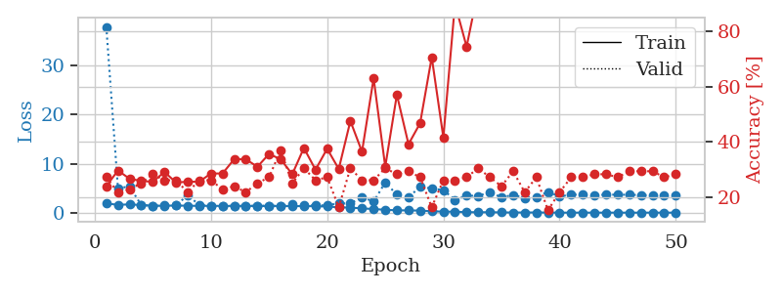
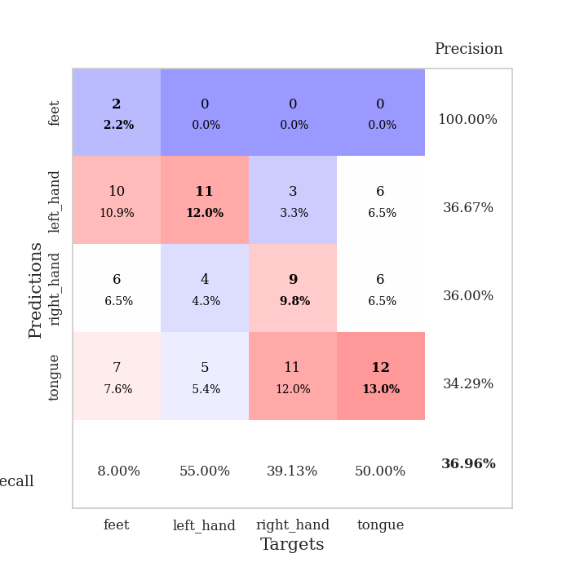
train_loss | valid_loss | train_accuracy | valid_accuracy | dur | train_misclass | valid_misclass
1.9157790049 | 37.848583346 | 0.23913043478 | 0.27173913043 | 1.1510846615 | 23.913043478 | 27.173913043
1.5947244997 | 5.0319518058 | 0.29619565217 | 0.21739130435 | 1.1509122849 | 29.619565217 | 21.739130435
1.7063978133 | 5.3090680734 | 0.26630434783 | 0.22826086957 | 1.1509571075 | 26.630434783 | 22.826086957
1.5599259605 | 1.5917929359 | 0.25815217391 | 0.25 | 1.150898695 | 25.815217391 | 25
1.4241912572 | 1.3901193505 | 0.25543478261 | 0.28260869565 | 1.1507015228 | 25.543478261 | 28.260869565
1.4144708696 | 1.4855370314 | 0.29076086957 | 0.26086956522 | 1.1545016766 | 29.076086957 | 26.086956522
1.4680382117 | 1.4880927957 | 0.2527173913 | 0.26086956522 | 1.1511151791 | 25.27173913 | 26.086956522
1.4162941497 | 3.5858059862 | 0.25543478261 | 0.21739130435 | 1.1507697105 | 25.543478261 | 21.739130435
1.3992829478 | 1.5734818552 | 0.25543478261 | 0.26086956522 | 1.1507694721 | 25.543478261 | 26.086956522
1.4041581154 | 1.4304345172 | 0.28532608696 | 0.26086956522 | 1.150809288 | 28.532608696 | 26.086956522
1.3856936175 | 1.4251658398 | 0.28532608696 | 0.22826086957 | 1.1510884762 | 28.532608696 | 22.826086957
1.3874235568 | 1.4036505585 | 0.33695652174 | 0.23913043478 | 1.1510720253 | 33.695652174 | 23.913043478
1.3887788368 | 1.4048481869 | 0.33695652174 | 0.21739130435 | 1.1523170471 | 33.695652174 | 21.739130435
1.3728110738 | 1.4195546119 | 0.3097826087 | 0.25 | 1.1517105103 | 30.97826087 | 25
1.3783876429 | 1.4054603836 | 0.35597826087 | 0.27173913043 | 1.1511414051 | 35.597826087 | 27.173913043
1.3731272221 | 1.4214063105 | 0.33695652174 | 0.36956521739 | 1.1517493725 | 33.695652174 | 36.956521739
1.3373990007 | 1.6974239194 | 0.28260869565 | 0.25 | 1.1541445255 | 28.260869565 | 25
1.3491170355 | 1.4870732556 | 0.3777173913 | 0.30434782609 | 1.1519031525 | 37.77173913 | 30.434782609
1.3141893615 | 1.4870192434 | 0.29891304348 | 0.26086956522 | 1.1521234512 | 29.891304348 | 26.086956522
1.2616030963 | 1.5055204941 | 0.375 | 0.27173913043 | 1.1534724236 | 37.5 | 27.173913043
1.0957301648 | 1.9293980754 | 0.30163043478 | 0.16304347826 | 1.1534283161 | 30.163043478 | 16.304347826
1.0508649427 | 1.8717265492 | 0.47554347826 | 0.30434782609 | 1.1521441936 | 47.554347826 | 30.434782609
0.87958058585 | 3.2021103631 | 0.36413043478 | 0.26086956522 | 1.1530921459 | 36.413043478 | 26.086956522
0.75649664195 | 2.2541694434 | 0.63043478261 | 0.26086956522 | 1.1530456543 | 63.043478261 | 26.086956522
0.59781867525 | 6.1687682193 | 0.3097826087 | 0.30434782609 | 1.1533470154 | 30.97826087 | 30.434782609
0.49687721289 | 3.6743211124 | 0.57065217391 | 0.28260869565 | 1.1534223557 | 57.065217391 | 28.260869565
0.466849537 | 3.076676576 | 0.39130434783 | 0.29347826087 | 1.1531226635 | 39.130434783 | 29.347826087
0.44080976429 | 5.3427004814 | 0.46739130435 | 0.27173913043 | 1.1532127857 | 46.739130435 | 27.173913043
0.2954254714 | 4.8982173464 | 0.70652173913 | 0.16304347826 | 1.1538693905 | 70.652173913 | 16.304347826
0.22759745497 | 4.6296584917 | 0.41576086957 | 0.26086956522 | 1.1531336308 | 41.576086957 | 26.086956522
0.20498709494 | 2.5861053674 | 0.89945652174 | 0.26086956522 | 1.1542832851 | 89.945652174 | 26.086956522
0.12842490508 | 3.4876033534 | 0.74456521739 | 0.27173913043 | 1.1546123028 | 74.456521739 | 27.173913043
0.091900522456 | 3.4233258185 | 0.95108695652 | 0.30434782609 | 1.1550991535 | 95.108695652 | 30.434782609
0.11428995001 | 4.2097102248 | 0.94565217391 | 0.27173913043 | 1.1538236141 | 94.565217391 | 27.173913043
0.061640556051 | 3.1162196657 | 0.98641304348 | 0.23913043478 | 1.1544437408 | 98.641304348 | 23.913043478
0.047774105333 | 3.628800247 | 1 | 0.29347826087 | 1.1541724205 | 100 | 29.347826087
0.051062686976 | 3.0092201855 | 1 | 0.21739130435 | 1.1557471752 | 100 | 21.739130435
0.053247992273 | 3.224331493 | 1 | 0.27173913043 | 1.1546964645 | 100 | 27.173913043
0.042063106378 | 4.2363142553 | 0.9972826087 | 0.15217391304 | 1.1557676792 | 99.72826087 | 15.217391304
0.021580782982 | 3.3432381879 | 1 | 0.21739130435 | 1.154889822 | 100 | 21.739130435
0.016388386711 | 3.6506857872 | 1 | 0.27173913043 | 1.1546993256 | 100 | 27.173913043
0.025500964444 | 3.7379067877 | 1 | 0.27173913043 | 1.1552193165 | 100 | 27.173913043
0.013503930855 | 3.5122333402 | 1 | 0.28260869565 | 1.1549136639 | 100 | 28.260869565
0.027156912884 | 3.7113575728 | 1 | 0.28260869565 | 1.1557793617 | 100 | 28.260869565
0.019473126097 | 3.6460678681 | 1 | 0.27173913043 | 1.1545782089 | 100 | 27.173913043
0.018509290141 | 3.6832292806 | 1 | 0.29347826087 | 1.1547744274 | 100 | 29.347826087
0.017966267572 | 3.5688605723 | 1 | 0.29347826087 | 1.1554431915 | 100 | 29.347826087
0.024143754889 | 3.6162803484 | 1 | 0.29347826087 | 1.1551582813 | 100 | 29.347826087
0.015484607596 | 3.6252937939 | 1 | 0.27173913043 | 1.1560053825 | 100 | 27.173913043
0.025456218656 | 3.6371857809 | 1 | 0.28260869565 | 1.1554877758 | 100 | 28.260869565

Best Val accuracy is 0.3695652173913043 and Best test accuracy is 0.29310344827586204

Sheet9
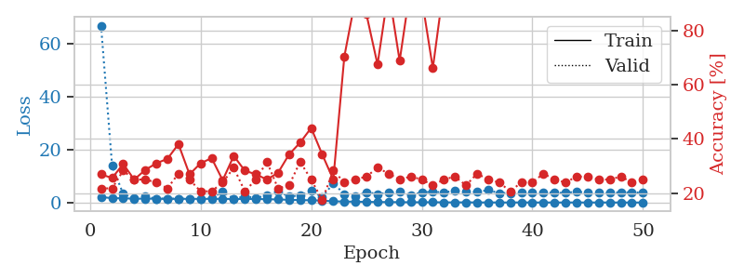
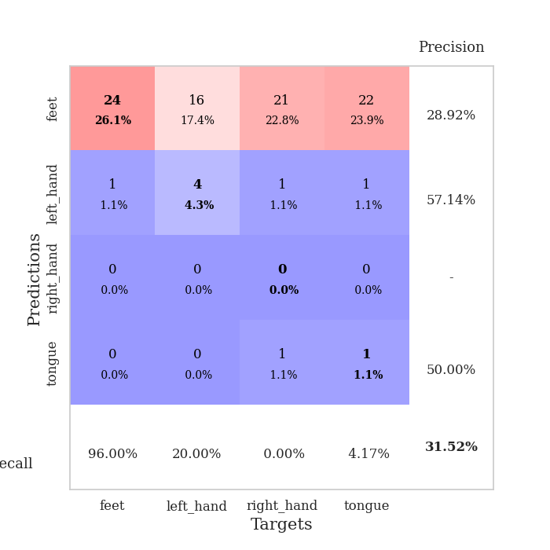
train_loss | valid_loss | train_accuracy | valid_accuracy | dur | train_misclass | valid_misclass
2.1113665519 | 66.875429983 | 0.26902173913 | 0.21739130435 | 1.1571578979 | 26.902173913 | 21.739130435
1.6218309454 | 13.890393091 | 0.25543478261 | 0.21739130435 | 1.1523077488 | 25.543478261 | 21.739130435
1.6299113398 | 3.2566699101 | 0.30706521739 | 0.28260869565 | 1.1527032852 | 30.706521739 | 28.260869565
1.4178784878 | 1.5225020232 | 0.25 | 0.25 | 1.1528227329 | 25 | 25
1.4906704944 | 2.2318852207 | 0.28532608696 | 0.25 | 1.1522495747 | 28.532608696 | 25
1.4180540624 | 1.4934540883 | 0.3097826087 | 0.23913043478 | 1.1523029804 | 30.97826087 | 23.913043478
1.4066669734 | 1.4734798359 | 0.32608695652 | 0.21739130435 | 1.1527318954 | 32.608695652 | 21.739130435
1.3927585664 | 1.434356166 | 0.38043478261 | 0.27173913043 | 1.152068615 | 38.043478261 | 27.173913043
1.3867566586 | 1.4834948001 | 0.26902173913 | 0.25 | 1.152741909 | 26.902173913 | 25
1.3895080763 | 1.4782881478 | 0.3097826087 | 0.20652173913 | 1.1527097225 | 30.97826087 | 20.652173913
1.3877259545 | 1.5307040474 | 0.32880434783 | 0.20652173913 | 1.1530060768 | 32.880434783 | 20.652173913
1.3661295435 | 4.1716907646 | 0.2472826087 | 0.23913043478 | 1.1525580883 | 24.72826087 | 23.913043478
1.3473404179 | 1.3753585245 | 0.33695652174 | 0.29347826087 | 1.1532800198 | 33.695652174 | 29.347826087
1.3312291633 | 2.3491399081 | 0.28260869565 | 0.20652173913 | 1.1551969051 | 28.260869565 | 20.652173913
1.3270977891 | 1.7627066685 | 0.26902173913 | 0.25 | 1.1529436111 | 26.902173913 | 25
1.2473812544 | 2.6283415504 | 0.25 | 0.3152173913 | 1.1516158581 | 25 | 31.52173913
1.1474801717 | 4.1166441026 | 0.27445652174 | 0.21739130435 | 1.1547882557 | 27.445652174 | 21.739130435
1.0469972595 | 2.346664522 | 0.34239130435 | 0.22826086957 | 1.1530995369 | 34.239130435 | 22.826086957
0.90389455142 | 2.6472769613 | 0.38586956522 | 0.3152173913 | 1.1534502506 | 38.586956522 | 31.52173913
0.85512756783 | 4.4231525919 | 0.4402173913 | 0.25 | 1.1529324055 | 44.02173913 | 25
0.72448634713 | 2.0267009217 | 0.34239130435 | 0.17391304348 | 1.1537258625 | 34.239130435 | 17.391304348
0.45108118459 | 7.2623482994 | 0.25 | 0.28260869565 | 1.1537032127 | 25 | 28.260869565
0.37632393254 | 3.2300195694 | 0.70380434783 | 0.23913043478 | 1.1546564102 | 70.380434783 | 23.913043478
0.32241428643 | 2.4286867328 | 0.91576086957 | 0.25 | 1.1537065506 | 91.576086957 | 25
0.25844039995 | 3.8934773362 | 0.85869565217 | 0.26086956522 | 1.1542840004 | 85.869565217 | 26.086956522
0.18259101993 | 3.2389371499 | 0.67391304348 | 0.29347826087 | 1.1532678604 | 67.391304348 | 29.347826087
0.17596893401 | 3.6739592345 | 0.94836956522 | 0.27173913043 | 1.1543812752 | 94.836956522 | 27.173913043
0.13705405836 | 4.0690395521 | 0.6875 | 0.25 | 1.1543278694 | 68.75 | 25
0.095895605405 | 2.8117450424 | 0.96467391304 | 0.26086956522 | 1.1542041302 | 96.467391304 | 26.086956522
0.098215201181 | 3.8535134896 | 0.91847826087 | 0.25 | 1.1541471481 | 91.847826087 | 25
0.11514282907 | 4.0443095332 | 0.66032608696 | 0.22826086957 | 1.1538500786 | 66.032608696 | 22.826086957
0.064586391794 | 3.8520251564 | 0.96467391304 | 0.25 | 1.1541166306 | 96.467391304 | 25
0.044429113198 | 4.4067690269 | 0.98641304348 | 0.26086956522 | 1.1545639038 | 98.641304348 | 26.086956522
0.0765313496 | 4.1037548107 | 0.98641304348 | 0.22826086957 | 1.1547212601 | 98.641304348 | 22.826086957
0.028646492561 | 3.9934081202 | 0.92934782609 | 0.27173913043 | 1.1534688473 | 92.934782609 | 27.173913043
0.040925634782 | 4.6690958065 | 0.9972826087 | 0.25 | 1.1551625729 | 99.72826087 | 25
0.018863480042 | 3.5803746141 | 1 | 0.23913043478 | 1.1552050114 | 100 | 23.913043478
0.016144546943 | 3.5832586496 | 1 | 0.20652173913 | 1.1547296047 | 100 | 20.652173913
0.037207987807 | 3.6220074115 | 1 | 0.23913043478 | 1.1541435719 | 100 | 23.913043478
0.013486744775 | 3.8322232703 | 1 | 0.23913043478 | 1.1547522545 | 100 | 23.913043478
0.020915613085 | 3.9198498726 | 1 | 0.27173913043 | 1.1553888321 | 100 | 27.173913043
0.01510728267 | 3.6664165829 | 1 | 0.25 | 1.1556825638 | 100 | 25
0.017070010973 | 3.6805359384 | 1 | 0.23913043478 | 1.1545269489 | 100 | 23.913043478
0.02989676901 | 4.0621902839 | 1 | 0.26086956522 | 1.1550452709 | 100 | 26.086956522
0.015358545752 | 3.7459857567 | 1 | 0.26086956522 | 1.1557507515 | 100 | 26.086956522
0.024390159549 | 3.7374684707 | 1 | 0.25 | 1.1559267044 | 100 | 25
0.021820576492 | 3.7231689536 | 1 | 0.25 | 1.1551215649 | 100 | 25
0.0095627262996 | 3.837519314 | 1 | 0.26086956522 | 1.1557192802 | 100 | 26.086956522
0.0087057092713 | 3.812441038 | 1 | 0.23913043478 | 1.1547017097 | 100 | 23.913043478
0.0096850780057 | 3.7749561849 | 1 | 0.25 | 1.1544837952 | 100 | 25

Best Val accuracy is 0.31521739130434784 and Best test accuracy is 0.25862068965517243

Sheet10
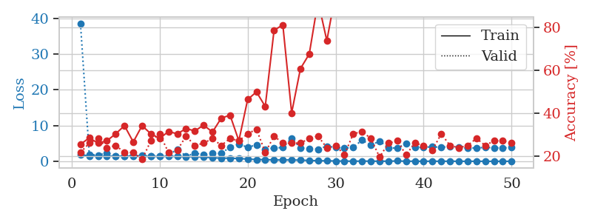
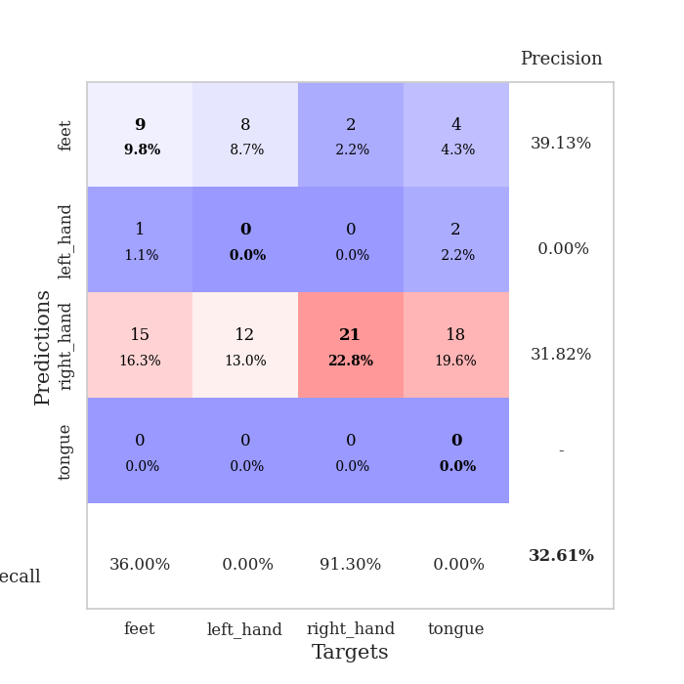
train_loss | valid_loss | train_accuracy | valid_accuracy | dur | train_misclass | valid_misclass
1.8931650442 | 38.467197916 | 0.25543478261 | 0.21739130435 | 1.1536016464 | 25.543478261 | 21.739130435
1.4634791405 | 1.9335401162 | 0.28532608696 | 0.26086956522 | 1.1518256664 | 28.532608696 | 26.086956522
1.4224955465 | 1.71022878 | 0.26086956522 | 0.28260869565 | 1.1497273445 | 26.086956522 | 28.260869565
1.4459290401 | 2.3664415971 | 0.27173913043 | 0.23913043478 | 1.1512749195 | 27.173913043 | 23.913043478
1.4571872172 | 1.4895076337 | 0.30434782609 | 0.25 | 1.151648283 | 30.434782609 | 25
1.4322693348 | 1.5183557013 | 0.34239130435 | 0.21739130435 | 1.1523594856 | 34.239130435 | 21.739130435
1.4271864839 | 1.5825509351 | 0.26630434783 | 0.21739130435 | 1.1523706913 | 26.630434783 | 21.739130435
1.3822021692 | 1.5569407784 | 0.34239130435 | 0.1847826087 | 1.1516573429 | 34.239130435 | 18.47826087
1.3740901999 | 1.5427678409 | 0.30434782609 | 0.27173913043 | 1.1519081593 | 30.434782609 | 27.173913043
1.3466699175 | 1.4648602268 | 0.28260869565 | 0.30434782609 | 1.1522865295 | 28.260869565 | 30.434782609
1.3810093766 | 1.6663065527 | 0.3152173913 | 0.21739130435 | 1.1518764496 | 31.52173913 | 21.739130435
1.3446100536 | 3.3998561424 | 0.30434782609 | 0.22826086957 | 1.1519787312 | 30.434782609 | 22.826086957
1.2687322497 | 1.4366013693 | 0.32880434783 | 0.29347826087 | 1.1517825127 | 32.880434783 | 29.347826087
1.2683503783 | 2.2440045191 | 0.31793478261 | 0.25 | 1.1521148682 | 31.793478261 | 25
1.18870695 | 1.8977416806 | 0.34510869565 | 0.26086956522 | 1.1524865627 | 34.510869565 | 26.086956522
0.98981681337 | 2.2250394303 | 0.3125 | 0.28260869565 | 1.1522653103 | 31.25 | 28.260869565
0.89665380768 | 2.2018611535 | 0.3777173913 | 0.25 | 1.1523420811 | 37.77173913 | 25
0.87958872059 | 4.0126865428 | 0.39130434783 | 0.28260869565 | 1.1528563499 | 39.130434783 | 28.260869565
0.76203638704 | 4.7882034675 | 0.27173913043 | 0.27173913043 | 1.1521151066 | 27.173913043 | 27.173913043
0.63949705984 | 3.935897765 | 0.46467391304 | 0.30434782609 | 1.1520471573 | 46.467391304 | 30.434782609
0.50137661721 | 4.6082706244 | 0.5 | 0.32608695652 | 1.1526610851 | 50 | 32.608695652
0.46750247867 | 3.2805737516 | 0.43206521739 | 0.21739130435 | 1.154323101 | 43.206521739 | 21.739130435
0.39578123067 | 3.7660854588 | 0.78804347826 | 0.29347826087 | 1.1522879601 | 78.804347826 | 29.347826087
0.36448920097 | 3.8306742129 | 0.8125 | 0.26086956522 | 1.1527915001 | 81.25 | 26.086956522
0.39795942767 | 6.4587682641 | 0.40217391304 | 0.26086956522 | 1.1520528793 | 40.217391304 | 26.086956522
0.32335286361 | 3.727422963 | 0.60869565217 | 0.26086956522 | 1.152951479 | 60.869565217 | 26.086956522
0.24587609408 | 3.6106091168 | 0.67663043478 | 0.28260869565 | 1.153049469 | 67.663043478 | 28.260869565
0.16586822749 | 3.3927211865 | 0.92391304348 | 0.29347826087 | 1.1529757977 | 92.391304348 | 29.347826087
0.15157066739 | 4.2421641557 | 0.73913043478 | 0.23913043478 | 1.1526949406 | 73.913043478 | 23.913043478
0.1017902106 | 3.8830781812 | 0.96195652174 | 0.25 | 1.1527173519 | 96.195652174 | 25
0.068298769467 | 3.6626405923 | 0.9972826087 | 0.20652173913 | 1.1525819302 | 99.72826087 | 20.652173913
0.036630415965 | 3.9160353826 | 0.99456521739 | 0.30434782609 | 1.1526238918 | 99.456521739 | 30.434782609
0.070278300458 | 5.9430749727 | 0.96195652174 | 0.3152173913 | 1.1524233818 | 96.195652174 | 31.52173913
0.043561818959 | 4.4747759985 | 0.86956521739 | 0.28260869565 | 1.1524701118 | 86.956521739 | 28.260869565
0.04484066851 | 5.6856527121 | 0.99456521739 | 0.19565217391 | 1.1536729336 | 99.456521739 | 19.565217391
0.034276472739 | 3.7916249089 | 0.99184782609 | 0.26086956522 | 1.1532979012 | 99.184782609 | 26.086956522
0.10694132641 | 3.6723711387 | 0.9972826087 | 0.27173913043 | 1.1528820992 | 99.72826087 | 27.173913043
0.036371651875 | 4.9637999535 | 0.9972826087 | 0.20652173913 | 1.1536846161 | 99.72826087 | 20.652173913
0.039437036091 | 3.8591498707 | 1 | 0.26086956522 | 1.1533424854 | 100 | 26.086956522
0.018656646074 | 3.9269450644 | 1 | 0.25 | 1.1528940201 | 100 | 25
0.042696217146 | 4.0642291359 | 1 | 0.22826086957 | 1.1528654099 | 100 | 22.826086957
0.016084522444 | 3.9293396369 | 1 | 0.30434782609 | 1.153570652 | 100 | 30.434782609
0.043655135892 | 4.1309015025 | 1 | 0.25 | 1.1540277004 | 100 | 25
0.01197499961 | 3.8694254419 | 1 | 0.23913043478 | 1.1537511349 | 100 | 23.913043478
0.017029175859 | 3.7391496534 | 1 | 0.25 | 1.1533696651 | 100 | 25
0.018678505045 | 3.7292489798 | 1 | 0.28260869565 | 1.1534385681 | 100 | 28.260869565
0.015232480754 | 3.8878840156 | 1 | 0.25 | 1.1530063152 | 100 | 25
0.007131548401 | 3.7923668156 | 1 | 0.27173913043 | 1.1540696621 | 100 | 27.173913043
0.017603253617 | 3.7664575369 | 1 | 0.27173913043 | 1.1530570984 | 100 | 27.173913043
0.014802880292 | 3.8587057487 | 1 | 0.26086956522 | 1.1534192562 | 100 | 26.086956522

Best Val accuracy is 0.32608695652173914 and Best test accuracy is 0.25

