Sheet
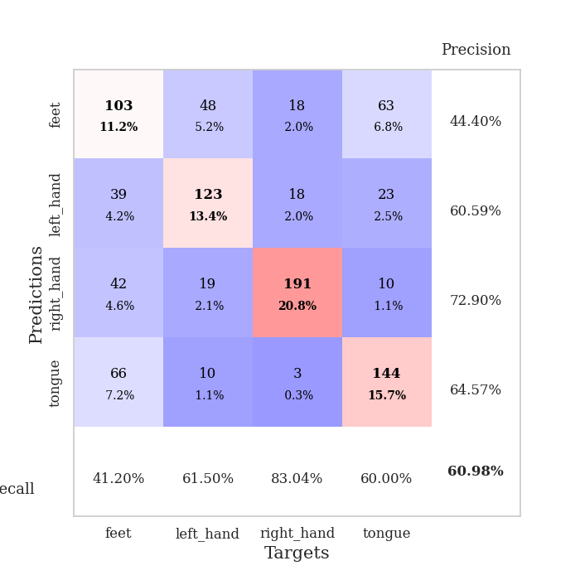
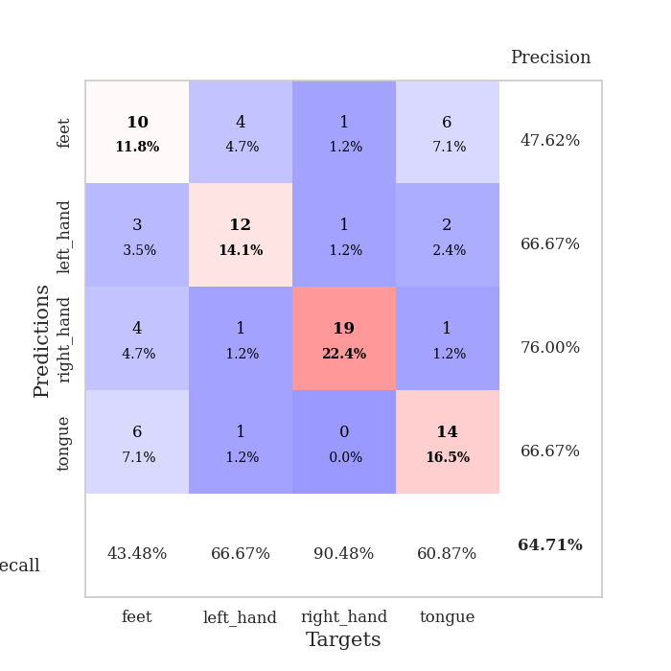
best_val_acc | best_val_los | best_test_acc
0.69565217391 | 1.1076418524 | 0.56034482759
0.65217391304 | 1.2981554218 | 0.47413793103
0.60869565217 | 1.1882482249 | 0.56034482759
0.57608695652 | 1.2422644937 | 0.43965517241
0.61956521739 | 1.0344224028 | 0.53448275862
0.60869565217 | 1.2401038097 | 0.4224137931
0.64130434783 | 0.92625548529 | 0.56034482759
0.5652173913 | 1.1523767762 | 0.53448275862
0.53260869565 | 1.2555799536 | 0.61206896552
0.59782608696 | 1.2765521796 | 0.49137931034

Mean,std Val accuracy is 0.6097826086956522 , 0.04652659236954205 and mean, std test accuracy is 0.5189655172413793 , 0.06024896600449596

Sheet1
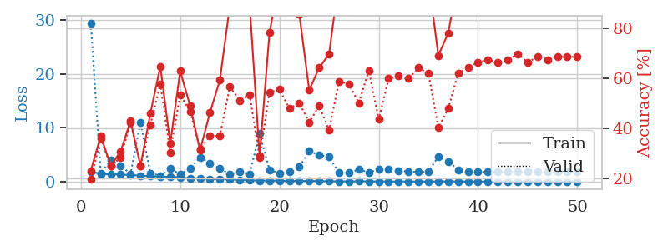
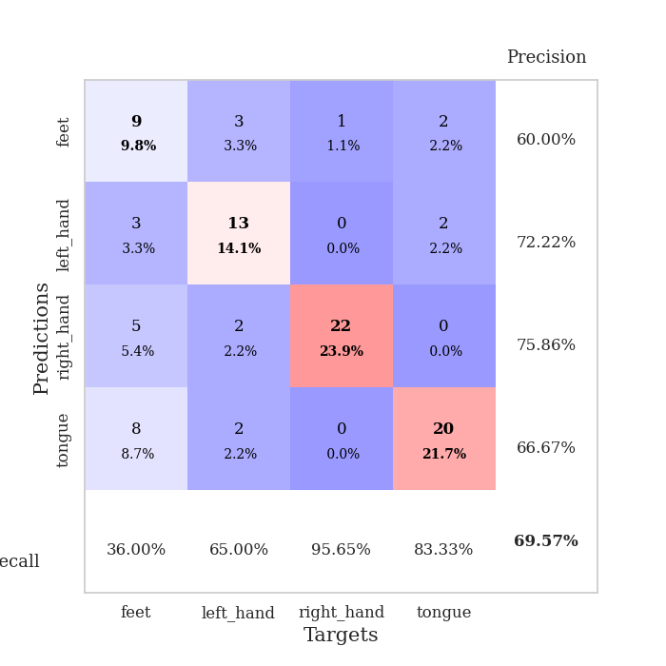
train_loss | valid_loss | train_accuracy | valid_accuracy | dur | train_misclass | valid_misclass
1.8871169557 | 29.41548505 | 0.23097826087 | 0.19565217391 | 1.154143095 | 23.097826087 | 19.565217391
1.3847069429 | 1.5548124521 | 0.36956521739 | 0.35869565217 | 1.1500618458 | 36.956521739 | 35.869565217
1.3535504756 | 3.9368135825 | 0.25 | 0.25 | 1.1503484249 | 25 | 25
1.3108715182 | 2.9416860083 | 0.30706521739 | 0.28260869565 | 1.1510167122 | 30.706521739 | 28.260869565
1.1902001319 | 1.4359821081 | 0.42934782609 | 0.42391304348 | 1.1524302959 | 42.934782609 | 42.391304348
1.112213 | 10.970031531 | 0.25 | 0.25 | 1.150519371 | 25 | 25
0.99679062418 | 1.5285654534 | 0.45923913043 | 0.41304347826 | 1.1516377926 | 45.923913043 | 41.304347826
0.92350118834 | 1.1076418524 | 0.64673913043 | 0.57608695652 | 1.151996851 | 64.673913043 | 57.608695652
0.85576021671 | 2.3898967556 | 0.33967391304 | 0.30434782609 | 1.1518852711 | 33.967391304 | 30.434782609
0.80776515344 | 1.3625244161 | 0.6277173913 | 0.53260869565 | 1.1511881351 | 62.77173913 | 53.260869565
0.55859253588 | 2.4599326745 | 0.48913043478 | 0.46739130435 | 1.1518523693 | 48.913043478 | 46.739130435
0.63875563702 | 4.5189731847 | 0.3125 | 0.3152173913 | 1.1519601345 | 31.25 | 31.52173913
0.42959831461 | 3.4093112324 | 0.46195652174 | 0.36956521739 | 1.1520047188 | 46.195652174 | 36.956521739
0.44420744349 | 2.4328013814 | 0.59239130435 | 0.36956521739 | 1.1525270939 | 59.239130435 | 36.956521739
0.36620605769 | 1.3619655474 | 0.88858695652 | 0.5652173913 | 1.1518642902 | 88.858695652 | 56.52173913
0.34892916096 | 1.8832797279 | 0.88315217391 | 0.51086956522 | 1.1519377232 | 88.315217391 | 51.086956522
0.2223760808 | 1.413446048 | 0.89402173913 | 0.53260869565 | 1.1518905163 | 89.402173913 | 53.260869565
0.17531017473 | 8.9238940944 | 0.28804347826 | 0.28260869565 | 1.1543447971 | 28.804347826 | 28.260869565
0.18201447918 | 2.1576212904 | 0.78260869565 | 0.54347826087 | 1.1512258053 | 78.260869565 | 54.347826087
0.14202758249 | 1.5446926407 | 0.99456521739 | 0.55434782609 | 1.1521179676 | 99.456521739 | 55.434782609
0.11754993649 | 1.8342498489 | 0.92391304348 | 0.47826086957 | 1.1524794102 | 92.391304348 | 47.826086957
0.10929277414 | 2.7328090771 | 0.85597826087 | 0.5 | 1.1524422169 | 85.597826087 | 50
0.11271982182 | 5.6532268317 | 0.55163043478 | 0.42391304348 | 1.1523308754 | 55.163043478 | 42.391304348
0.068858441917 | 4.902096541 | 0.64130434783 | 0.48913043478 | 1.1515929699 | 64.130434783 | 48.913043478
0.062599938748 | 4.6192330485 | 0.69565217391 | 0.39130434783 | 1.1526286602 | 69.565217391 | 39.130434783
0.032520580551 | 1.6057492961 | 0.9972826087 | 0.58695652174 | 1.1519114971 | 99.72826087 | 58.695652174
0.042822896883 | 1.6402050205 | 1 | 0.57608695652 | 1.1528344154 | 100 | 57.608695652
0.044762003367 | 2.2377526967 | 0.99184782609 | 0.5 | 1.1516373158 | 99.184782609 | 50
0.042363092384 | 1.7096327077 | 1 | 0.63043478261 | 1.1522922516 | 100 | 63.043478261
0.022079698767 | 2.2676213617 | 0.97010869565 | 0.4347826087 | 1.1519086361 | 97.010869565 | 43.47826087
0.013207986721 | 2.3177600011 | 1 | 0.59782608696 | 1.1510686874 | 100 | 59.782608696
0.0070566722804 | 2.0532345461 | 1 | 0.60869565217 | 1.1506650448 | 100 | 60.869565217
0.0052681469394 | 1.8529256219 | 1 | 0.59782608696 | 1.1510124207 | 100 | 59.782608696
0.005355275858 | 1.7932917657 | 1 | 0.64130434783 | 1.1508557796 | 100 | 64.130434783
0.0045635880125 | 1.7932112632 | 1 | 0.61956521739 | 1.1512744427 | 100 | 61.956521739
0.02750649007 | 4.6562979947 | 0.6902173913 | 0.40217391304 | 1.1506831646 | 69.02173913 | 40.217391304
0.0330824026 | 3.7151919241 | 0.77989130435 | 0.47826086957 | 1.1518723965 | 77.989130435 | 47.826086957
0.011342232186 | 2.2095947784 | 1 | 0.61956521739 | 1.1508898735 | 100 | 61.956521739
0.0079412712999 | 1.8467275267 | 1 | 0.64130434783 | 1.1513516903 | 100 | 64.130434783
0.0041093309245 | 1.766650967 | 1 | 0.66304347826 | 1.1506726742 | 100 | 66.304347826
0.011095109217 | 1.7964730159 | 1 | 0.67391304348 | 1.1501684189 | 100 | 67.391304348
0.0027442192906 | 1.7705616225 | 1 | 0.66304347826 | 1.1501328945 | 100 | 66.304347826
0.0017391648821 | 1.767904831 | 1 | 0.67391304348 | 1.1508133411 | 100 | 67.391304348
0.0040313209706 | 1.7718560074 | 1 | 0.69565217391 | 1.1508569717 | 100 | 69.565217391
0.0017896280611 | 1.7509742923 | 1 | 0.66304347826 | 1.1513056755 | 100 | 66.304347826
0.006171497858 | 1.8239962536 | 1 | 0.6847826087 | 1.151818037 | 100 | 68.47826087
0.0091113247352 | 1.7607649202 | 1 | 0.67391304348 | 1.1513841152 | 100 | 67.391304348
0.0018817215523 | 1.8024403945 | 1 | 0.6847826087 | 1.1512413025 | 100 | 68.47826087
0.0033632355196 | 1.8280557239 | 1 | 0.6847826087 | 1.1511819363 | 100 | 68.47826087
0.004850642438 | 1.7916081885 | 1 | 0.6847826087 | 1.1518437862 | 100 | 68.47826087

Best Val accuracy is 0.6956521739130435 and Best test accuracy is 0.5603448275862069

Sheet2
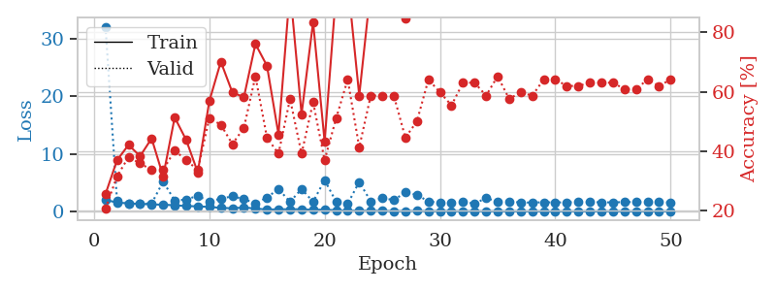
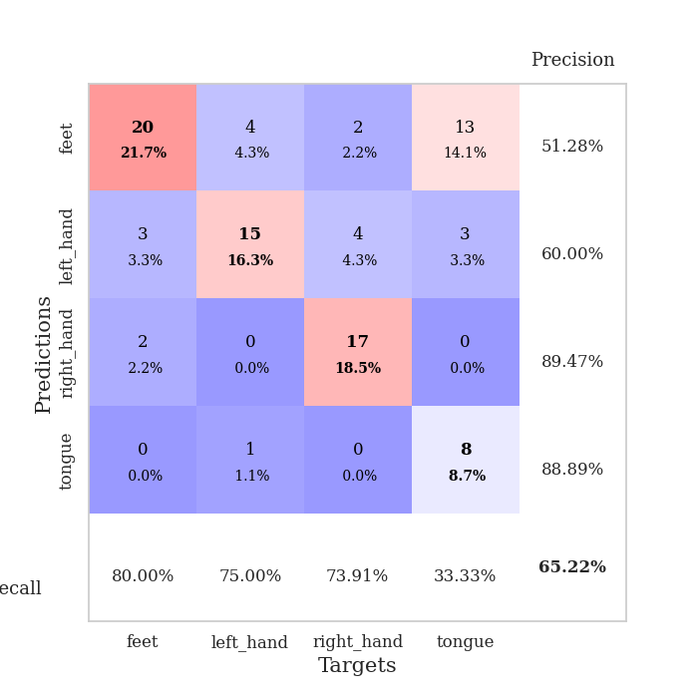
train_loss | valid_loss | train_accuracy | valid_accuracy | dur | train_misclass | valid_misclass
1.9779708437 | 32.16576485 | 0.25543478261 | 0.20652173913 | 1.1520416737 | 25.543478261 | 20.652173913
1.5140580198 | 1.8789007353 | 0.36956521739 | 0.3152173913 | 1.1489415169 | 36.956521739 | 31.52173913
1.3647932954 | 1.3707932959 | 0.42119565217 | 0.38043478261 | 1.1481883526 | 42.119565217 | 38.043478261
1.2862479376 | 1.3329571226 | 0.38315217391 | 0.35869565217 | 1.1470034122 | 38.315217391 | 35.869565217
1.1976199072 | 1.3439312137 | 0.44293478261 | 0.33695652174 | 1.1459214687 | 44.293478261 | 33.695652174
1.1304922156 | 5.1645330035 | 0.3152173913 | 0.33695652174 | 1.1491019726 | 31.52173913 | 33.695652174
1.0494188666 | 1.8530302307 | 0.51358695652 | 0.40217391304 | 1.1498279572 | 51.358695652 | 40.217391304
0.89804427002 | 2.0525443139 | 0.4375 | 0.36956521739 | 1.1525728703 | 43.75 | 36.956521739
0.85640414642 | 2.6843396373 | 0.32880434783 | 0.33695652174 | 1.1503875256 | 32.880434783 | 33.695652174
0.74487528205 | 1.7033919459 | 0.56793478261 | 0.51086956522 | 1.1518318653 | 56.793478261 | 51.086956522
0.59081906858 | 2.1928863785 | 0.70108695652 | 0.48913043478 | 1.1502132416 | 70.108695652 | 48.913043478
0.5130647084 | 2.5967719659 | 0.59782608696 | 0.42391304348 | 1.1521375179 | 59.782608696 | 42.391304348
0.66166023975 | 2.1202551645 | 0.58152173913 | 0.47826086957 | 1.1512644291 | 58.152173913 | 47.826086957
0.46789601899 | 1.3683091298 | 0.76086956522 | 0.65217391304 | 1.1514542103 | 76.086956522 | 65.217391304
0.28943470347 | 2.3957735456 | 0.6875 | 0.44565217391 | 1.1505856514 | 68.75 | 44.565217391
0.32888433013 | 3.8756718843 | 0.45652173913 | 0.39130434783 | 1.1508638859 | 45.652173913 | 39.130434783
0.3497799907 | 1.6290839885 | 0.94565217391 | 0.57608695652 | 1.1524312496 | 94.565217391 | 57.608695652
0.34060688738 | 3.8804226544 | 0.52445652174 | 0.39130434783 | 1.1510703564 | 52.445652174 | 39.130434783
0.25012624183 | 1.6442061352 | 0.83423913043 | 0.5652173913 | 1.1518242359 | 83.423913043 | 56.52173913
0.28274169402 | 5.436288336 | 0.43206521739 | 0.36956521739 | 1.1518814564 | 43.206521739 | 36.956521739
0.16300768478 | 1.6355013485 | 0.9375 | 0.51086956522 | 1.151794672 | 93.75 | 51.086956522
0.10166344792 | 1.2981554218 | 0.97282608696 | 0.64130434783 | 1.1529819965 | 97.282608696 | 64.130434783
0.099076177965 | 5.1089614163 | 0.58695652174 | 0.41304347826 | 1.1526813507 | 58.695652174 | 41.304347826
0.079957815049 | 1.7115742849 | 0.94836956522 | 0.58695652174 | 1.1526033878 | 94.836956522 | 58.695652174
0.073867463102 | 2.2965703529 | 0.96195652174 | 0.58695652174 | 1.1526839733 | 96.195652174 | 58.695652174
0.028186445135 | 1.942261219 | 0.96195652174 | 0.58695652174 | 1.15269804 | 96.195652174 | 58.695652174
0.04334971167 | 3.287634466 | 0.84782608696 | 0.44565217391 | 1.1522042751 | 84.782608696 | 44.565217391
0.050193344172 | 2.8629582032 | 0.89130434783 | 0.5 | 1.1526460648 | 89.130434783 | 50
0.023468486064 | 1.7056942193 | 0.9972826087 | 0.64130434783 | 1.1524291039 | 99.72826087 | 64.130434783
0.039073697141 | 1.482206044 | 1 | 0.59782608696 | 1.153470993 | 100 | 59.782608696
0.034928260285 | 1.5480383842 | 1 | 0.55434782609 | 1.1530089378 | 100 | 55.434782609
0.010758192364 | 1.5768643566 | 1 | 0.63043478261 | 1.1528151035 | 100 | 63.043478261
0.025656600569 | 1.3563632032 | 1 | 0.63043478261 | 1.1529581547 | 100 | 63.043478261
0.013295995112 | 2.2705179712 | 0.9972826087 | 0.58695652174 | 1.1526572704 | 99.72826087 | 58.695652174
0.016919450834 | 1.7240627019 | 1 | 0.65217391304 | 1.1521813869 | 100 | 65.217391304
0.01248735777 | 1.7262553754 | 1 | 0.57608695652 | 1.1523346901 | 100 | 57.608695652
0.0095401754016 | 1.5077419747 | 1 | 0.59782608696 | 1.1530735493 | 100 | 59.782608696
0.0037923567706 | 1.5248968757 | 1 | 0.58695652174 | 1.1533782482 | 100 | 58.695652174
0.0050475226118 | 1.5548715229 | 1 | 0.64130434783 | 1.1538655758 | 100 | 64.130434783
0.0033161898736 | 1.5480411778 | 1 | 0.64130434783 | 1.1530294418 | 100 | 64.130434783
0.0047014313016 | 1.5440600437 | 1 | 0.61956521739 | 1.1538002491 | 100 | 61.956521739
0.0073052427096 | 1.6103897924 | 1 | 0.61956521739 | 1.1535499096 | 100 | 61.956521739
0.003473451971 | 1.5796454782 | 1 | 0.63043478261 | 1.1530227661 | 100 | 63.043478261
0.0057202419431 | 1.5633185065 | 1 | 0.63043478261 | 1.1535918713 | 100 | 63.043478261
0.021410676377 | 1.5377817828 | 1 | 0.63043478261 | 1.1541802883 | 100 | 63.043478261
0.0084039726517 | 1.6052582471 | 1 | 0.60869565217 | 1.1536872387 | 100 | 60.869565217
0.0088828185082 | 1.5943155703 | 1 | 0.60869565217 | 1.1533651352 | 100 | 60.869565217
0.0047809184597 | 1.5749451959 | 1 | 0.64130434783 | 1.1537179947 | 100 | 64.130434783
0.014145930842 | 1.5708207721 | 1 | 0.61956521739 | 1.1538870335 | 100 | 61.956521739
0.0033260519912 | 1.5438400041 | 1 | 0.64130434783 | 1.1541190147 | 100 | 64.130434783

Best Val accuracy is 0.6521739130434783 and Best test accuracy is 0.47413793103448276

Sheet3
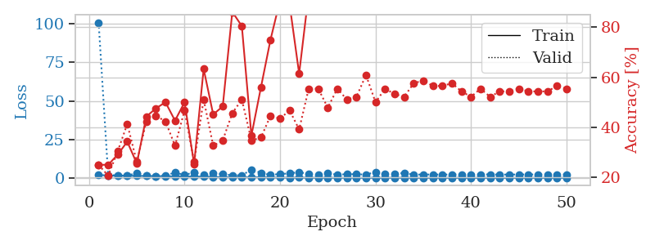
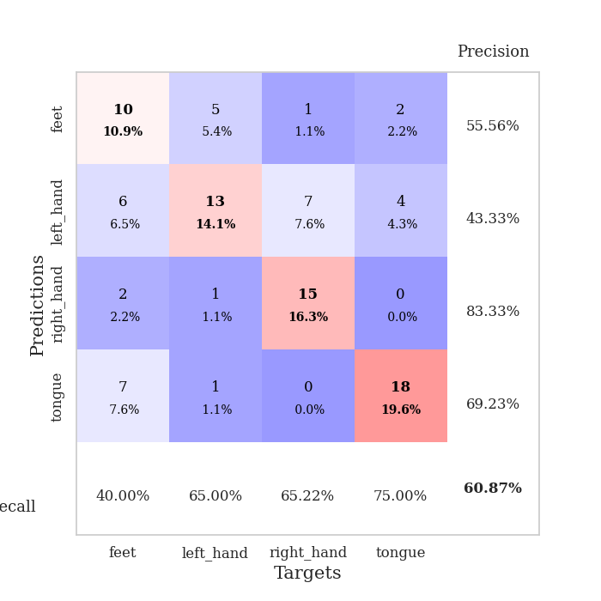
train_loss | valid_loss | train_accuracy | valid_accuracy | dur | train_misclass | valid_misclass
1.9255487193 | 100.95156661 | 0.25 | 0.25 | 1.1524653435 | 25 | 25
1.4500113415 | 1.6740911992 | 0.25 | 0.20652173913 | 1.1488246918 | 25 | 20.652173913
1.4264857821 | 1.6947299605 | 0.29076086957 | 0.30434782609 | 1.1510326862 | 29.076086957 | 30.434782609
1.3355703172 | 1.3344649647 | 0.34239130435 | 0.41304347826 | 1.1504313946 | 34.239130435 | 41.304347826
1.2320553945 | 3.2636849362 | 0.25543478261 | 0.26086956522 | 1.1508002281 | 25.543478261 | 26.086956522
1.2046755449 | 1.2545388522 | 0.44293478261 | 0.42391304348 | 1.1512737274 | 44.293478261 | 42.391304348
1.1384893863 | 1.1882482249 | 0.47554347826 | 0.44565217391 | 1.1519696712 | 47.554347826 | 44.565217391
1.0396897223 | 1.6504073143 | 0.5 | 0.42391304348 | 1.1512794495 | 50 | 42.391304348
0.95192431367 | 3.3325721492 | 0.42663043478 | 0.32608695652 | 1.1511044502 | 42.663043478 | 32.608695652
0.99680107573 | 1.8845227542 | 0.5 | 0.46739130435 | 1.1515460014 | 50 | 46.739130435
0.77961009741 | 3.5056707133 | 0.2527173913 | 0.26086956522 | 1.1509306431 | 25.27173913 | 26.086956522
0.75604984812 | 1.8550083171 | 0.63315217391 | 0.51086956522 | 1.1514685154 | 63.315217391 | 51.086956522
0.62336944108 | 2.9444103345 | 0.45108695652 | 0.32608695652 | 1.1510646343 | 45.108695652 | 32.608695652
0.4377484503 | 2.3776156384 | 0.48369565217 | 0.34782608696 | 1.1507496834 | 48.369565217 | 34.782608696
0.38127706621 | 1.6106594956 | 0.86141304348 | 0.45652173913 | 1.1518342495 | 86.141304348 | 45.652173913
0.33813457191 | 1.623845712 | 0.80434782609 | 0.51086956522 | 1.1511058807 | 80.434782609 | 51.086956522
0.41666850383 | 5.3814954343 | 0.36684782609 | 0.34782608696 | 1.1517715454 | 36.684782609 | 34.782608696
0.35241529929 | 3.2582103273 | 0.5597826087 | 0.35869565217 | 1.1516637802 | 55.97826087 | 35.869565217
0.23841707538 | 1.8631108014 | 0.75 | 0.44565217391 | 1.1518044472 | 75 | 44.565217391
0.15497032261 | 2.5305705174 | 0.90760869565 | 0.4347826087 | 1.1518819332 | 90.760869565 | 43.47826087
0.1197488661 | 2.8081209245 | 0.89130434783 | 0.46739130435 | 1.1516187191 | 89.130434783 | 46.739130435
0.15255972549 | 3.8177997133 | 0.61413043478 | 0.39130434783 | 1.1515200138 | 61.413043478 | 39.130434783
0.10163177161 | 2.2996498294 | 0.9347826087 | 0.55434782609 | 1.1520409584 | 93.47826087 | 55.434782609
0.034572155053 | 1.7902559353 | 1 | 0.55434782609 | 1.1536250114 | 100 | 55.434782609
0.035047024306 | 2.7908621145 | 0.94565217391 | 0.47826086957 | 1.1522841454 | 94.565217391 | 47.826086957
0.023526890811 | 2.1336417924 | 1 | 0.55434782609 | 1.1520447731 | 100 | 55.434782609
0.021813891484 | 2.3053512884 | 0.9972826087 | 0.51086956522 | 1.1515841484 | 99.72826087 | 51.086956522
0.016509964546 | 2.3373501093 | 0.99184782609 | 0.52173913043 | 1.1510205269 | 99.184782609 | 52.173913043
0.017467888619 | 2.0924268961 | 0.98369565217 | 0.60869565217 | 1.1517572403 | 98.369565217 | 60.869565217
0.037859355224 | 3.7787985387 | 0.875 | 0.5 | 1.1524977684 | 87.5 | 50
0.026771506629 | 2.3210024315 | 1 | 0.55434782609 | 1.1525704861 | 100 | 55.434782609
0.074828258351 | 2.7232516641 | 0.98913043478 | 0.53260869565 | 1.1525011063 | 98.913043478 | 53.260869565
0.050274567451 | 3.0870668162 | 0.99184782609 | 0.52173913043 | 1.1521990299 | 99.184782609 | 52.173913043
0.013567586723 | 2.1056060687 | 1 | 0.57608695652 | 1.1519160271 | 100 | 57.608695652
0.013110506822 | 2.1590427627 | 1 | 0.58695652174 | 1.1524112225 | 100 | 58.695652174
0.012289650731 | 2.1413525913 | 1 | 0.5652173913 | 1.1523280144 | 100 | 56.52173913
0.0065919258341 | 2.1175923244 | 1 | 0.5652173913 | 1.1525564194 | 100 | 56.52173913
0.0057699302637 | 2.1515928455 | 1 | 0.57608695652 | 1.1525464058 | 100 | 57.608695652
0.0054938079898 | 2.2392095794 | 1 | 0.54347826087 | 1.1530230045 | 100 | 54.347826087
0.0055399236735 | 2.2287236193 | 1 | 0.52173913043 | 1.152826786 | 100 | 52.173913043
0.005716666807 | 2.249328634 | 1 | 0.55434782609 | 1.1528425217 | 100 | 55.434782609
0.004282088868 | 2.1904652637 | 1 | 0.52173913043 | 1.152302742 | 100 | 52.173913043
0.01111642504 | 2.1263434576 | 1 | 0.54347826087 | 1.1544249058 | 100 | 54.347826087
0.0060499222726 | 2.1385724234 | 1 | 0.54347826087 | 1.1519203186 | 100 | 54.347826087
0.0042916805858 | 2.1625105505 | 1 | 0.55434782609 | 1.152848959 | 100 | 55.434782609
0.0035037946389 | 2.1786215824 | 1 | 0.54347826087 | 1.1529304981 | 100 | 54.347826087
0.0051277232339 | 2.1759270585 | 1 | 0.54347826087 | 1.153532505 | 100 | 54.347826087
0.0051555332409 | 2.1882087355 | 1 | 0.54347826087 | 1.153191328 | 100 | 54.347826087
0.0025172626255 | 2.1671471077 | 1 | 0.5652173913 | 1.1531982422 | 100 | 56.52173913
0.0052694829583 | 2.1890326065 | 1 | 0.55434782609 | 1.1535217762 | 100 | 55.434782609

Best Val accuracy is 0.6086956521739131 and Best test accuracy is 0.5603448275862069

Sheet4
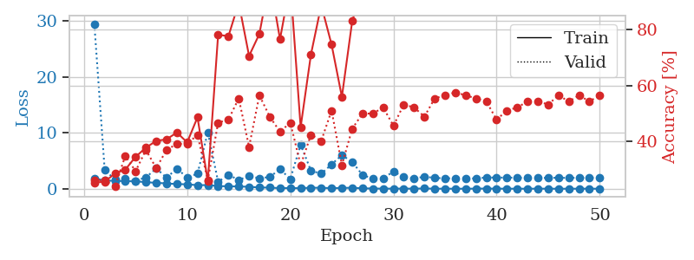
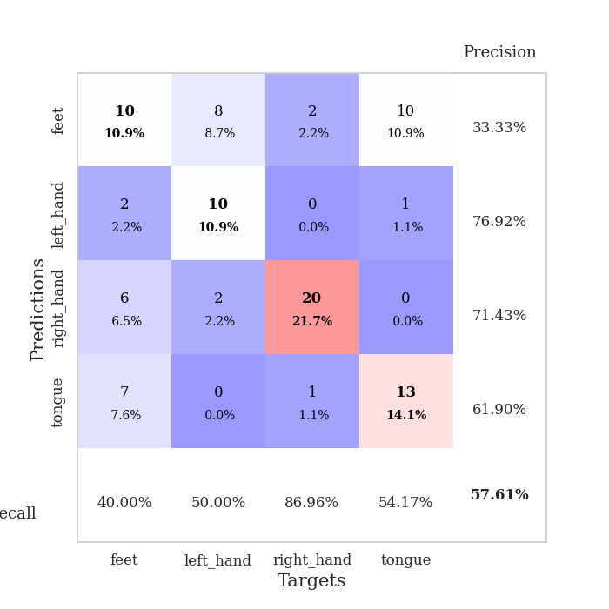
train_loss | valid_loss | train_accuracy | valid_accuracy | dur | train_misclass | valid_misclass
1.883611959 | 29.460738472 | 0.2527173913 | 0.26086956522 | 1.1528670788 | 25.27173913 | 26.086956522
1.4563019379 | 3.4013308649 | 0.25543478261 | 0.26086956522 | 1.1518611908 | 25.543478261 | 26.086956522
1.4195309307 | 1.6253263795 | 0.28532608696 | 0.23913043478 | 1.1505527496 | 28.532608696 | 23.913043478
1.3678412256 | 1.7934472457 | 0.29891304348 | 0.34782608696 | 1.1516342163 | 29.891304348 | 34.782608696
1.3232091043 | 1.4352958462 | 0.34510869565 | 0.29347826087 | 1.1497166157 | 34.510869565 | 29.347826087
1.1896084573 | 2.0231397515 | 0.3777173913 | 0.36956521739 | 1.1517009735 | 37.77173913 | 36.956521739
1.0461053563 | 3.6467796201 | 0.40217391304 | 0.30434782609 | 1.1519384384 | 40.217391304 | 30.434782609
0.96979067377 | 1.9784448976 | 0.40760869565 | 0.36956521739 | 1.1506533623 | 40.760869565 | 36.956521739
0.82660708479 | 3.6000252807 | 0.43206521739 | 0.39130434783 | 1.1520867348 | 43.206521739 | 39.130434783
0.80531940771 | 2.021091202 | 0.39673913043 | 0.39130434783 | 1.1521649361 | 39.673913043 | 39.130434783
0.63421831442 | 2.6880280764 | 0.48641304348 | 0.42391304348 | 1.1514968872 | 48.641304348 | 42.391304348
0.66409930781 | 10.097852396 | 0.25815217391 | 0.26086956522 | 1.1507558823 | 25.815217391 | 26.086956522
0.49655504525 | 1.2422644937 | 0.78260869565 | 0.46739130435 | 1.1501832008 | 78.260869565 | 46.739130435
0.42478915725 | 2.4770071455 | 0.77717391304 | 0.47826086957 | 1.1511044502 | 77.717391304 | 47.826086957
0.41511863729 | 1.5832057828 | 0.89673913043 | 0.55434782609 | 1.149153471 | 89.673913043 | 55.434782609
0.34615799914 | 2.2793680896 | 0.70652173913 | 0.38043478261 | 1.1487696171 | 70.652173913 | 38.043478261
0.22947725103 | 1.8663236888 | 0.78532608696 | 0.5652173913 | 1.1507415771 | 78.532608696 | 56.52173913
0.20727473611 | 2.1064404975 | 0.98097826087 | 0.48913043478 | 1.1481528282 | 98.097826087 | 48.913043478
0.10740129674 | 3.50040994 | 0.76630434783 | 0.4347826087 | 1.1512005329 | 76.630434783 | 43.47826087
0.13937102566 | 1.7497965927 | 0.96739130435 | 0.46739130435 | 1.1507151127 | 96.739130435 | 46.739130435
0.093199847428 | 7.8921799038 | 0.45108695652 | 0.3152173913 | 1.1517903805 | 45.108695652 | 31.52173913
0.19333721082 | 3.2270012627 | 0.71195652174 | 0.42391304348 | 1.1507179737 | 71.195652174 | 42.391304348
0.16296582531 | 2.6853551243 | 0.88858695652 | 0.40217391304 | 1.1514437199 | 88.858695652 | 40.217391304
0.11747328532 | 4.3652701222 | 0.7472826087 | 0.51086956522 | 1.1519608498 | 74.72826087 | 51.086956522
0.14576731104 | 6.0284503647 | 0.5597826087 | 0.3152173913 | 1.1510908604 | 55.97826087 | 31.52173913
0.17930007762 | 4.7960687098 | 0.83152173913 | 0.44565217391 | 1.1520984173 | 83.152173913 | 44.565217391
0.080145332254 | 2.4596492778 | 0.94836956522 | 0.5 | 1.1507983208 | 94.836956522 | 50
0.042980849206 | 1.8125821093 | 0.99456521739 | 0.5 | 1.1516721249 | 99.456521739 | 50
0.021888259054 | 1.8586086605 | 0.9972826087 | 0.52173913043 | 1.1511845589 | 99.72826087 | 52.173913043
0.025719272357 | 3.0975504025 | 0.97826086957 | 0.45652173913 | 1.1516268253 | 97.826086957 | 45.652173913
0.022964531677 | 2.0925376623 | 1 | 0.53260869565 | 1.15158391 | 100 | 53.260869565
0.021915268588 | 1.8506232552 | 1 | 0.52173913043 | 1.1519510746 | 100 | 52.173913043
0.049110292928 | 2.1500252433 | 0.97282608696 | 0.48913043478 | 1.1529452801 | 97.282608696 | 48.913043478
0.016881260586 | 1.9474402666 | 1 | 0.55434782609 | 1.1514992714 | 100 | 55.434782609
0.0092600420694 | 1.8613023499 | 1 | 0.5652173913 | 1.1524524689 | 100 | 56.52173913
0.011610260496 | 1.872826172 | 1 | 0.57608695652 | 1.1530525684 | 100 | 57.608695652
0.0079253319899 | 1.8978190474 | 1 | 0.5652173913 | 1.1529774666 | 100 | 56.52173913
0.021199676632 | 1.8262759447 | 1 | 0.55434782609 | 1.153636694 | 100 | 55.434782609
0.036223103262 | 2.0295406165 | 1 | 0.54347826087 | 1.1525959969 | 100 | 54.347826087
0.013969456364 | 1.9899206783 | 1 | 0.47826086957 | 1.1516091824 | 100 | 47.826086957
0.016844372308 | 2.0033746595 | 1 | 0.51086956522 | 1.1524879932 | 100 | 51.086956522
0.0062853856868 | 1.9703495917 | 1 | 0.52173913043 | 1.1526913643 | 100 | 52.173913043
0.0091655656731 | 1.9381801823 | 1 | 0.54347826087 | 1.1532721519 | 100 | 54.347826087
0.016832093346 | 1.9322738285 | 1 | 0.54347826087 | 1.1533303261 | 100 | 54.347826087
0.010974546133 | 1.9475292589 | 1 | 0.53260869565 | 1.1528775692 | 100 | 53.260869565
0.0063003160619 | 1.9677426038 | 1 | 0.5652173913 | 1.1532514095 | 100 | 56.52173913
0.0050764742191 | 1.9380050172 | 1 | 0.54347826087 | 1.1531829834 | 100 | 54.347826087
0.013929054713 | 1.9703545622 | 1 | 0.5652173913 | 1.1527719498 | 100 | 56.52173913
0.012558515291 | 1.9641550572 | 1 | 0.54347826087 | 1.1527478695 | 100 | 54.347826087
0.005396631397 | 1.9407967847 | 1 | 0.5652173913 | 1.1529536247 | 100 | 56.52173913

Best Val accuracy is 0.5760869565217391 and Best test accuracy is 0.4396551724137931

Sheet5
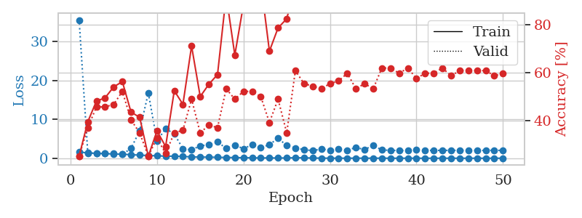
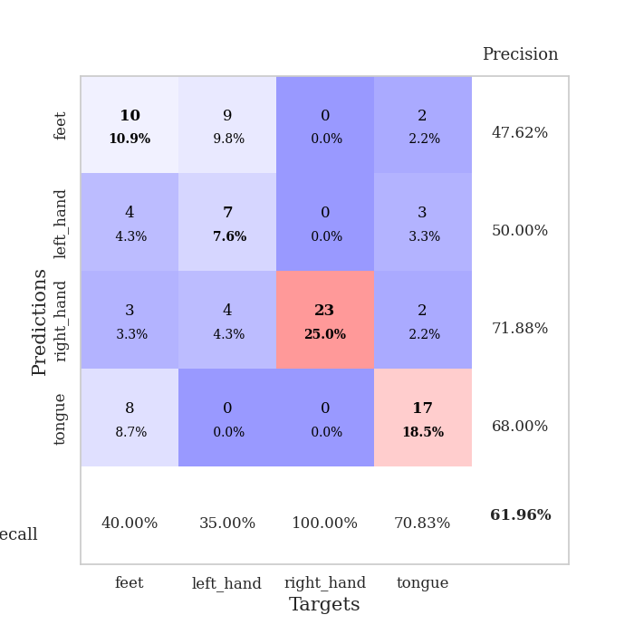
train_loss | valid_loss | train_accuracy | valid_accuracy | dur | train_misclass | valid_misclass
1.6667169851 | 35.540726869 | 0.25 | 0.25 | 1.1525037289 | 25 | 25
1.3225044427 | 1.4218323127 | 0.39402173913 | 0.36956521739 | 1.1489658356 | 39.402173913 | 36.956521739
1.2932157465 | 1.2009061057 | 0.48097826087 | 0.45652173913 | 1.1494264603 | 48.097826087 | 45.652173913
1.1727750042 | 1.1935501202 | 0.49456521739 | 0.45652173913 | 1.150144577 | 49.456521739 | 45.652173913
1.0919109427 | 1.3004009827 | 0.54076086957 | 0.46739130435 | 1.1531844139 | 54.076086957 | 46.739130435
1.0322076626 | 1.0344224028 | 0.5625 | 0.52173913043 | 1.1504456997 | 56.25 | 52.173913043
0.90730226299 | 2.4932953378 | 0.4347826087 | 0.40217391304 | 1.1501646042 | 43.47826087 | 40.217391304
0.79911237307 | 7.0704382606 | 0.41304347826 | 0.34782608696 | 1.1514084339 | 41.304347826 | 34.782608696
0.70284968226 | 16.798361695 | 0.25 | 0.25 | 1.1524114609 | 25 | 25
0.62028970926 | 4.4179642926 | 0.35597826087 | 0.32608695652 | 1.1519031525 | 35.597826087 | 32.608695652
0.54378650888 | 7.6242174066 | 0.29076086957 | 0.26086956522 | 1.1513895988 | 29.076086957 | 26.086956522
0.52226582299 | 6.2157701824 | 0.52445652174 | 0.34782608696 | 1.1519043446 | 52.445652174 | 34.782608696
0.45580604478 | 2.4556744306 | 0.46739130435 | 0.35869565217 | 1.1523227692 | 46.739130435 | 35.869565217
0.34284076159 | 2.1389861936 | 0.71195652174 | 0.48913043478 | 1.1511693001 | 71.195652174 | 48.913043478
0.29666464436 | 3.2117955477 | 0.5 | 0.34782608696 | 1.1523635387 | 50 | 34.782608696
0.2851738541 | 3.4236582777 | 0.55163043478 | 0.38043478261 | 1.1522705555 | 55.163043478 | 38.043478261
0.23682755961 | 4.1725164704 | 0.59239130435 | 0.36956521739 | 1.1522881985 | 59.239130435 | 36.956521739
0.19799719087 | 2.5578004588 | 0.92391304348 | 0.53260869565 | 1.1525547504 | 92.391304348 | 53.260869565
0.17420748548 | 3.3929131394 | 0.67391304348 | 0.48913043478 | 1.1535248756 | 67.391304348 | 48.913043478
0.12611256103 | 2.4504218542 | 0.88586956522 | 0.52173913043 | 1.1523828506 | 88.586956522 | 52.173913043
0.11666160393 | 3.4907405065 | 0.8777173913 | 0.52173913043 | 1.1519784927 | 87.77173913 | 52.173913043
0.064615439381 | 2.6772599739 | 0.97826086957 | 0.5 | 1.1526710987 | 97.826086957 | 50
0.091385074142 | 3.5057156708 | 0.6902173913 | 0.39130434783 | 1.1519525051 | 69.02173913 | 39.130434783
0.047059860992 | 5.1429229094 | 0.78804347826 | 0.48913043478 | 1.1526231766 | 78.804347826 | 48.913043478
0.081109488859 | 3.2630728742 | 0.82608695652 | 0.34782608696 | 1.1528260708 | 82.608695652 | 34.782608696
0.12450076769 | 2.6288095557 | 0.96467391304 | 0.60869565217 | 1.1529839039 | 96.467391304 | 60.869565217
0.10644294548 | 2.2013940656 | 0.98913043478 | 0.55434782609 | 1.1535484791 | 98.913043478 | 55.434782609
0.048693946077 | 1.948214137 | 0.9972826087 | 0.54347826087 | 1.1526741982 | 99.72826087 | 54.347826087
0.028823786537 | 2.363914241 | 1 | 0.53260869565 | 1.1531920433 | 100 | 53.260869565
0.012619361894 | 2.0665543442 | 1 | 0.55434782609 | 1.1539235115 | 100 | 55.434782609
0.024447086945 | 2.3264793831 | 1 | 0.5652173913 | 1.1541893482 | 100 | 56.52173913
0.0091819537186 | 2.1012711991 | 1 | 0.59782608696 | 1.1533679962 | 100 | 59.782608696
0.024071302108 | 2.7271150817 | 1 | 0.53260869565 | 1.1539978981 | 100 | 53.260869565
0.0096382201022 | 2.2656523767 | 1 | 0.55434782609 | 1.1540455818 | 100 | 55.434782609
0.023072604085 | 3.2529955014 | 0.9972826087 | 0.53260869565 | 1.1543009281 | 99.72826087 | 53.260869565
0.0099892342544 | 2.1415540032 | 1 | 0.61956521739 | 1.1539156437 | 100 | 61.956521739
0.0029534164376 | 2.0135923624 | 1 | 0.61956521739 | 1.1534488201 | 100 | 61.956521739
0.0052922735897 | 2.0121150794 | 1 | 0.59782608696 | 1.1526212692 | 100 | 59.782608696
0.010592484614 | 1.9533530681 | 1 | 0.61956521739 | 1.1537361145 | 100 | 61.956521739
0.0052138627886 | 2.1349895622 | 1 | 0.57608695652 | 1.1532721519 | 100 | 57.608695652
0.0039590602164 | 2.0070428796 | 1 | 0.59782608696 | 1.1533536911 | 100 | 59.782608696
0.0037903562618 | 2.014006765 | 1 | 0.59782608696 | 1.1536140442 | 100 | 59.782608696
0.0056605269049 | 2.0192085971 | 1 | 0.61956521739 | 1.1537058353 | 100 | 61.956521739
0.0040553790117 | 2.0391823364 | 1 | 0.58695652174 | 1.1536278725 | 100 | 58.695652174
0.0022668571277 | 2.0124731219 | 1 | 0.60869565217 | 1.1538085938 | 100 | 60.869565217
0.0054918260215 | 2.0493554188 | 1 | 0.60869565217 | 1.1537733078 | 100 | 60.869565217
0.0050762396606 | 2.0046514376 | 1 | 0.60869565217 | 1.153799057 | 100 | 60.869565217
0.0027067315633 | 2.0132269807 | 1 | 0.60869565217 | 1.1532170773 | 100 | 60.869565217
0.008037637656 | 2.0403940159 | 1 | 0.58695652174 | 1.1536464691 | 100 | 58.695652174
0.0028828987143 | 2.0125379303 | 1 | 0.59782608696 | 1.1540331841 | 100 | 59.782608696

Best Val accuracy is 0.6195652173913043 and Best test accuracy is 0.5344827586206896

Sheet6
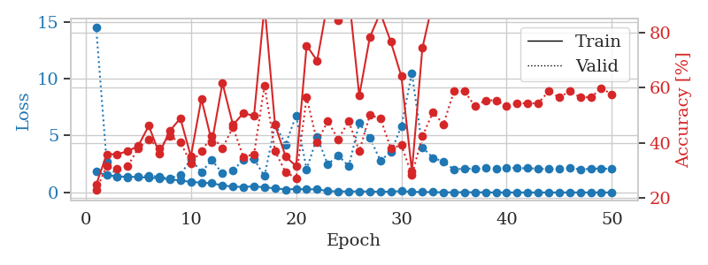
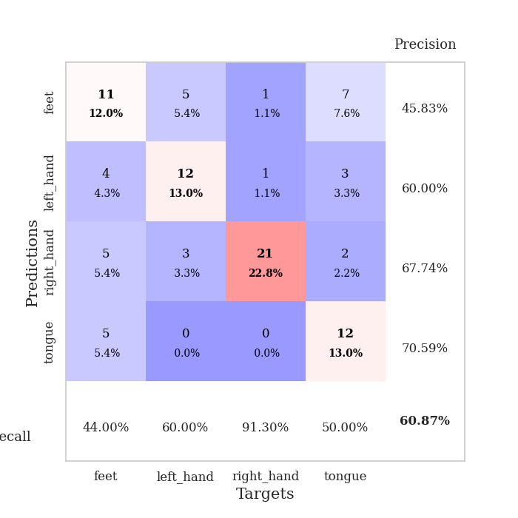
train_loss | valid_loss | train_accuracy | valid_accuracy | dur | train_misclass | valid_misclass
1.8265122797 | 14.528321225 | 0.2472826087 | 0.22826086957 | 1.1546537876 | 24.72826087 | 22.826086957
1.517348756 | 2.6821153371 | 0.35869565217 | 0.3152173913 | 1.1485657692 | 35.869565217 | 31.52173913
1.4271524367 | 1.3920941819 | 0.35869565217 | 0.30434782609 | 1.1488587856 | 35.869565217 | 30.434782609
1.3729068715 | 1.335211759 | 0.36956521739 | 0.3152173913 | 1.1516098976 | 36.956521739 | 31.52173913
1.3738615953 | 1.3743712176 | 0.38858695652 | 0.38043478261 | 1.1514723301 | 38.858695652 | 38.043478261
1.2863869304 | 1.4894750585 | 0.46195652174 | 0.41304347826 | 1.1506307125 | 46.195652174 | 41.304347826
1.2477519719 | 1.3709517562 | 0.36141304348 | 0.38043478261 | 1.1510825157 | 36.141304348 | 38.043478261
1.1542829353 | 1.2401038097 | 0.44293478261 | 0.42391304348 | 1.1516783237 | 44.293478261 | 42.391304348
1.05307585 | 1.5498104251 | 0.48913043478 | 0.40217391304 | 1.1507053375 | 48.913043478 | 40.217391304
0.93290306693 | 2.9216085932 | 0.35054347826 | 0.32608695652 | 1.1518161297 | 35.054347826 | 32.608695652
0.86369815858 | 1.8023887251 | 0.5597826087 | 0.36956521739 | 1.1517300606 | 55.97826087 | 36.956521739
0.81151788131 | 2.8403296833 | 0.40217391304 | 0.42391304348 | 1.1517934799 | 40.217391304 | 42.391304348
0.62751530046 | 1.675323901 | 0.61684782609 | 0.38043478261 | 1.1513600349 | 61.684782609 | 38.043478261
0.50622125877 | 1.9604411022 | 0.46467391304 | 0.45652173913 | 1.1516678333 | 46.467391304 | 45.652173913
0.49710941898 | 2.866398718 | 0.50815217391 | 0.34782608696 | 1.1519634724 | 50.815217391 | 34.782608696
0.53957350876 | 2.9328297325 | 0.4972826087 | 0.35869565217 | 1.1514596939 | 49.72826087 | 35.869565217
0.45186336922 | 1.4322691171 | 0.89945652174 | 0.60869565217 | 1.1519989967 | 89.945652174 | 60.869565217
0.36941559872 | 5.9922675153 | 0.46467391304 | 0.36956521739 | 1.1522371769 | 46.467391304 | 36.956521739
0.26387376403 | 4.2198337679 | 0.35054347826 | 0.29347826087 | 1.1515729427 | 35.054347826 | 29.347826087
0.3111313426 | 6.7750630793 | 0.3152173913 | 0.27173913043 | 1.151279211 | 31.52173913 | 27.173913043
0.27102449569 | 2.0355267317 | 0.7527173913 | 0.5652173913 | 1.1521646976 | 75.27173913 | 56.52173913
0.29525374168 | 4.8766880606 | 0.69836956522 | 0.40217391304 | 1.1517922878 | 69.836956522 | 40.217391304
0.1112353805 | 2.4636494595 | 0.91032608696 | 0.47826086957 | 1.1520059109 | 91.032608696 | 47.826086957
0.10370413481 | 3.2492109485 | 0.84510869565 | 0.41304347826 | 1.1526093483 | 84.510869565 | 41.304347826
0.082926437178 | 2.3122359981 | 0.9402173913 | 0.47826086957 | 1.1526427269 | 94.02173913 | 47.826086957
0.10572904814 | 6.087804048 | 0.57065217391 | 0.36956521739 | 1.1518270969 | 57.065217391 | 36.956521739
0.077232720351 | 4.8221947162 | 0.78260869565 | 0.5 | 1.1525082588 | 78.260869565 | 50
0.073589512937 | 2.8152347337 | 0.8722826087 | 0.48913043478 | 1.1521208286 | 87.22826087 | 48.913043478
0.077096337291 | 3.5269550137 | 0.76630434783 | 0.38043478261 | 1.1524989605 | 76.630434783 | 38.043478261
0.1224805164 | 5.8182470177 | 0.64130434783 | 0.39130434783 | 1.1528320312 | 64.130434783 | 39.130434783
0.060546743866 | 10.495614798 | 0.29619565217 | 0.28260869565 | 1.1523509026 | 29.619565217 | 28.260869565
0.048995008267 | 3.9605146802 | 0.74456521739 | 0.42391304348 | 1.1527211666 | 74.456521739 | 42.391304348
0.033805388917 | 3.0579014706 | 0.91304347826 | 0.51086956522 | 1.153424263 | 91.304347826 | 51.086956522
0.019417712505 | 2.6939963361 | 1 | 0.46739130435 | 1.1535999775 | 100 | 46.739130435
0.015637754164 | 2.0202178489 | 1 | 0.58695652174 | 1.1538083553 | 100 | 58.695652174
0.030949614011 | 2.1134659881 | 1 | 0.58695652174 | 1.1531765461 | 100 | 58.695652174
0.017384079455 | 2.0735159801 | 1 | 0.53260869565 | 1.1529915333 | 100 | 53.260869565
0.01217863219 | 2.1357872797 | 1 | 0.55434782609 | 1.1526880264 | 100 | 55.434782609
0.0044889962756 | 2.1142197744 | 1 | 0.55434782609 | 1.1531505585 | 100 | 55.434782609
0.0076663799675 | 2.1906506912 | 1 | 0.53260869565 | 1.1534795761 | 100 | 53.260869565
0.0058478476586 | 2.1411512883 | 1 | 0.54347826087 | 1.1532211304 | 100 | 54.347826087
0.006101055873 | 2.1292423321 | 1 | 0.54347826087 | 1.15391922 | 100 | 54.347826087
0.0042256392392 | 2.0986235867 | 1 | 0.54347826087 | 1.1534531116 | 100 | 54.347826087
0.0025445465112 | 2.0539485061 | 1 | 0.58695652174 | 1.1526761055 | 100 | 58.695652174
0.0054289158763 | 2.0910562847 | 1 | 0.5652173913 | 1.1534717083 | 100 | 56.52173913
0.0078437380776 | 2.1309734998 | 1 | 0.58695652174 | 1.1531229019 | 100 | 58.695652174
0.0046091586169 | 2.0465498852 | 1 | 0.5652173913 | 1.1534636021 | 100 | 56.52173913
0.0034174064336 | 2.0737144636 | 1 | 0.5652173913 | 1.1531054974 | 100 | 56.52173913
0.0049369425928 | 2.1254964756 | 1 | 0.59782608696 | 1.1528856754 | 100 | 59.782608696
0.0069866286826 | 2.0553755812 | 1 | 0.57608695652 | 1.1532299519 | 100 | 57.608695652

Best Val accuracy is 0.6086956521739131 and Best test accuracy is 0.4224137931034483

Sheet7
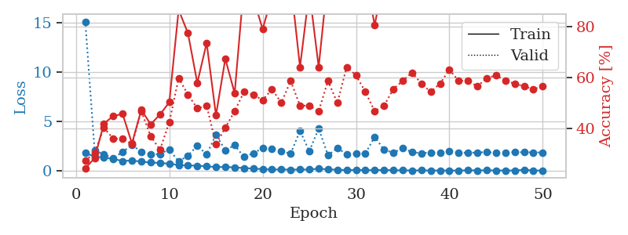
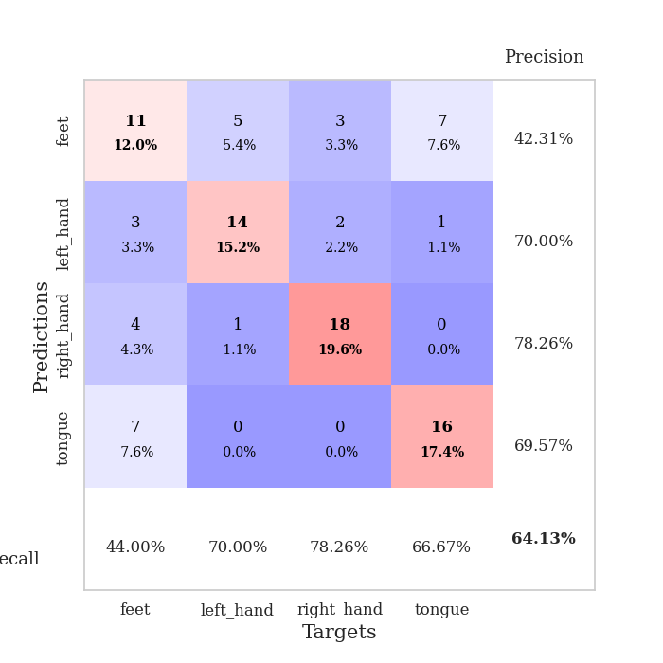
train_loss | valid_loss | train_accuracy | valid_accuracy | dur | train_misclass | valid_misclass
1.7979878498 | 15.140605678 | 0.24184782609 | 0.27173913043 | 1.154658556 | 24.184782609 | 27.173913043
1.4180893328 | 2.0484687556 | 0.28260869565 | 0.30434782609 | 1.1504471302 | 28.260869565 | 30.434782609
1.3428645367 | 1.6708471879 | 0.41847826087 | 0.40217391304 | 1.1503596306 | 41.847826087 | 40.217391304
1.1860717898 | 1.2474939719 | 0.44836956522 | 0.35869565217 | 1.1492862701 | 44.836956522 | 35.869565217
0.97906810823 | 1.9107980624 | 0.45652173913 | 0.35869565217 | 1.1514196396 | 45.652173913 | 35.869565217
1.0371419684 | 2.6034703358 | 0.33967391304 | 0.33695652174 | 1.1511495113 | 33.967391304 | 33.695652174
0.90587352151 | 1.9134451617 | 0.47282608696 | 0.46739130435 | 1.1505537033 | 47.282608696 | 46.739130435
0.82669008815 | 1.6500230768 | 0.41576086957 | 0.36956521739 | 1.1520051956 | 41.576086957 | 36.956521739
0.78410186457 | 1.6795477867 | 0.45380434783 | 0.3152173913 | 1.1506307125 | 45.380434783 | 31.52173913
0.70258011766 | 2.1594703353 | 0.5027173913 | 0.42391304348 | 1.1515083313 | 50.27173913 | 42.391304348
0.57274770089 | 0.92625548529 | 0.86684782609 | 0.59782608696 | 1.1514604092 | 86.684782609 | 59.782608696
0.52792845861 | 1.5320644897 | 0.77445652174 | 0.53260869565 | 1.1523320675 | 77.445652174 | 53.260869565
0.50368247084 | 2.5209176229 | 0.57880434783 | 0.47826086957 | 1.1513228416 | 57.880434783 | 47.826086957
0.43485704907 | 1.6535831431 | 0.73641304348 | 0.48913043478 | 1.1510140896 | 73.641304348 | 48.913043478
0.37102310133 | 3.6462918779 | 0.45108695652 | 0.33695652174 | 1.1508293152 | 45.108695652 | 33.695652174
0.37452603585 | 2.0708474076 | 0.67391304348 | 0.40217391304 | 1.151968956 | 67.391304348 | 40.217391304
0.33076995384 | 2.5876870155 | 0.53804347826 | 0.46739130435 | 1.1518845558 | 53.804347826 | 46.739130435
0.2657979364 | 1.3873000404 | 0.96739130435 | 0.54347826087 | 1.1513438225 | 96.739130435 | 54.347826087
0.21079104944 | 1.7681077097 | 0.91304347826 | 0.53260869565 | 1.1520009041 | 91.304347826 | 53.260869565
0.15121949108 | 2.2923903465 | 0.79076086957 | 0.51086956522 | 1.1520738602 | 79.076086957 | 51.086956522
0.11908585303 | 2.1813607423 | 0.92119565217 | 0.55434782609 | 1.1533250809 | 92.119565217 | 55.434782609
0.11931203597 | 1.9782573762 | 0.97826086957 | 0.5 | 1.1523108482 | 97.826086957 | 50
0.10435812912 | 1.7265644644 | 0.97826086957 | 0.58695652174 | 1.1536548138 | 97.826086957 | 58.695652174
0.11581730587 | 4.0434628051 | 0.64130434783 | 0.48913043478 | 1.1510975361 | 64.130434783 | 48.913043478
0.11333284074 | 1.9636037039 | 0.9402173913 | 0.48913043478 | 1.1502981186 | 94.02173913 | 48.913043478
0.19985566551 | 4.2872738113 | 0.64130434783 | 0.46739130435 | 1.1512246132 | 64.130434783 | 46.739130435
0.13185038474 | 1.5630906768 | 1 | 0.58695652174 | 1.1511726379 | 100 | 58.695652174
0.092551176153 | 2.3046473109 | 0.96195652174 | 0.5 | 1.1516530514 | 96.195652174 | 50
0.049502313167 | 1.6526567314 | 0.9972826087 | 0.64130434783 | 1.1518959999 | 99.72826087 | 64.130434783
0.071937659239 | 1.7215610172 | 1 | 0.60869565217 | 1.156437397 | 100 | 60.869565217
0.054008789917 | 1.7384796661 | 1 | 0.54347826087 | 1.1526374817 | 100 | 54.347826087
0.051885597307 | 3.4303259435 | 0.80706521739 | 0.46739130435 | 1.1517658234 | 80.706521739 | 46.739130435
0.071276283276 | 2.1337585449 | 0.99184782609 | 0.48913043478 | 1.1524984837 | 99.184782609 | 48.913043478
0.03871913723 | 1.8117475613 | 1 | 0.55434782609 | 1.1525793076 | 100 | 55.434782609
0.032676688436 | 2.3075607445 | 0.98369565217 | 0.58695652174 | 1.1531789303 | 98.369565217 | 58.695652174
0.018470414833 | 1.8659907009 | 1 | 0.61956521739 | 1.1531426907 | 100 | 61.956521739
0.032608441786 | 1.7774595696 | 1 | 0.57608695652 | 1.1526486874 | 100 | 57.608695652
0.014256177961 | 1.8539268867 | 1 | 0.54347826087 | 1.1529479027 | 100 | 54.347826087
0.016577161725 | 1.8365901968 | 1 | 0.57608695652 | 1.1522710323 | 100 | 57.608695652
0.016032700908 | 1.9456844433 | 1 | 0.63043478261 | 1.1523892879 | 100 | 63.043478261
0.0086443506829 | 1.8566222191 | 1 | 0.58695652174 | 1.1527671814 | 100 | 58.695652174
0.042271947954 | 1.8004799822 | 1 | 0.58695652174 | 1.1528148651 | 100 | 58.695652174
0.026004454814 | 1.8525624483 | 1 | 0.5652173913 | 1.153357029 | 100 | 56.52173913
0.038556641585 | 1.8703591098 | 1 | 0.59782608696 | 1.1537525654 | 100 | 59.782608696
0.016615957417 | 1.8183375649 | 1 | 0.60869565217 | 1.1537442207 | 100 | 60.869565217
0.025821967286 | 1.8262708291 | 1 | 0.58695652174 | 1.153635025 | 100 | 58.695652174
0.011419681331 | 1.8699876433 | 1 | 0.57608695652 | 1.1531181335 | 100 | 57.608695652
0.087463524947 | 1.8626367113 | 1 | 0.5652173913 | 1.1537249088 | 100 | 56.52173913
0.017961248411 | 1.8539636135 | 1 | 0.55434782609 | 1.1531684399 | 100 | 55.434782609
0.0085682792528 | 1.8409065889 | 1 | 0.5652173913 | 1.1537456512 | 100 | 56.52173913

Best Val accuracy is 0.6413043478260869 and Best test accuracy is 0.5603448275862069

Sheet8
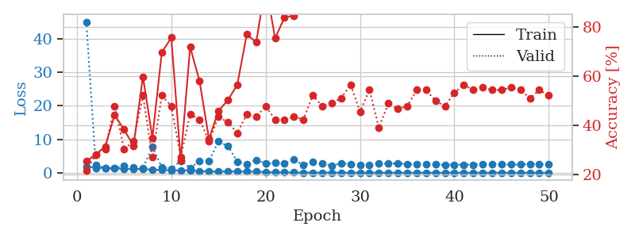
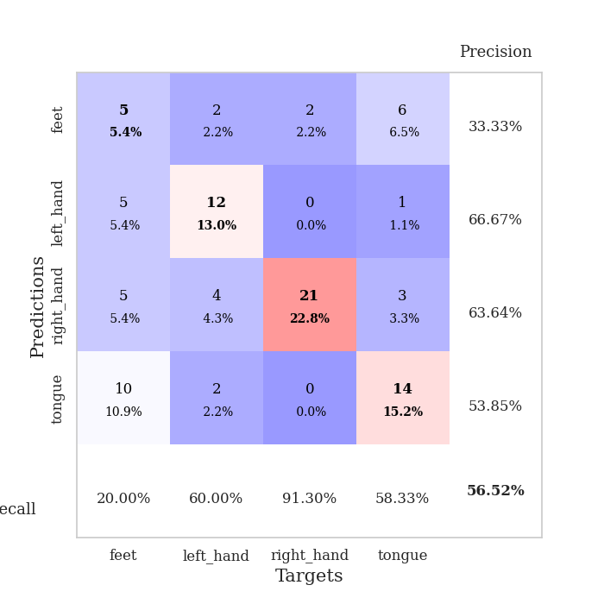
train_loss | valid_loss | train_accuracy | valid_accuracy | dur | train_misclass | valid_misclass
1.9131339374 | 45.036165818 | 0.25543478261 | 0.21739130435 | 1.154561758 | 25.543478261 | 21.739130435
1.4768323639 | 2.1994651815 | 0.28260869565 | 0.28260869565 | 1.1488256454 | 28.260869565 | 28.260869565
1.4270060373 | 1.4210764014 | 0.3152173913 | 0.30434782609 | 1.1497569084 | 31.52173913 | 30.434782609
1.306677922 | 1.3420630797 | 0.44293478261 | 0.47826086957 | 1.1503205299 | 44.293478261 | 47.826086957
1.1511391427 | 2.0591885681 | 0.38315217391 | 0.30434782609 | 1.1511113644 | 38.315217391 | 30.434782609
1.1674934833 | 1.5137244048 | 0.31793478261 | 0.33695652174 | 1.1508600712 | 31.793478261 | 33.695652174
1.0623605977 | 1.4092204493 | 0.59782608696 | 0.52173913043 | 1.1515593529 | 59.782608696 | 52.173913043
0.93125596513 | 7.7001682157 | 0.35054347826 | 0.27173913043 | 1.15148592 | 35.054347826 | 27.173913043
0.82198013689 | 1.6409186436 | 0.69565217391 | 0.52173913043 | 1.1514000893 | 69.565217391 | 52.173913043
0.71538878524 | 1.1523767762 | 0.75543478261 | 0.47826086957 | 1.1507661343 | 75.543478261 | 47.826086957
0.64244975085 | 3.5817113545 | 0.26086956522 | 0.27173913043 | 1.1516039371 | 26.086956522 | 27.173913043
0.735660242 | 1.4434225922 | 0.71739130435 | 0.44565217391 | 1.1509530544 | 71.739130435 | 44.565217391
0.48452226882 | 3.4040595241 | 0.57880434783 | 0.42391304348 | 1.1513543129 | 57.880434783 | 42.391304348
0.37087299545 | 3.4724720457 | 0.34510869565 | 0.33695652174 | 1.1527168751 | 34.510869565 | 33.695652174
0.34980674218 | 9.4188499865 | 0.45923913043 | 0.4347826087 | 1.1511230469 | 45.923913043 | 43.47826087
0.41731121683 | 7.9337958668 | 0.5027173913 | 0.41304347826 | 1.1520750523 | 50.27173913 | 41.304347826
0.37365044977 | 3.3352630449 | 0.5652173913 | 0.36956521739 | 1.1517641544 | 56.52173913 | 36.956521739
0.3545166957 | 2.6328417374 | 0.76902173913 | 0.44565217391 | 1.1512358189 | 76.902173913 | 44.565217391
0.32505477479 | 3.823839001 | 0.73641304348 | 0.4347826087 | 1.1518969536 | 73.641304348 | 43.47826087
0.22023729405 | 2.7630143062 | 0.97282608696 | 0.47826086957 | 1.1524744034 | 97.282608696 | 47.826086957
0.12316176384 | 2.916702965 | 0.7527173913 | 0.42391304348 | 1.1519861221 | 75.27173913 | 42.391304348
0.11822985514 | 2.8122831117 | 0.83695652174 | 0.42391304348 | 1.1516420841 | 83.695652174 | 42.391304348
0.061309659692 | 3.960947555 | 0.84510869565 | 0.4347826087 | 1.1526191235 | 84.510869565 | 43.47826087
0.051764298554 | 2.2984999677 | 0.91847826087 | 0.42391304348 | 1.1526501179 | 91.847826087 | 42.391304348
0.037569107953 | 3.2187243234 | 0.99456521739 | 0.52173913043 | 1.1522569656 | 99.456521739 | 52.173913043
0.033077019166 | 2.7108688251 | 0.94565217391 | 0.47826086957 | 1.1512918472 | 94.565217391 | 47.826086957
0.032193227641 | 2.1602713854 | 1 | 0.48913043478 | 1.1526842117 | 100 | 48.913043478
0.015480739783 | 2.8106826388 | 1 | 0.51086956522 | 1.1522116661 | 100 | 51.086956522
0.010340501048 | 2.569636148 | 1 | 0.5652173913 | 1.152667284 | 100 | 56.52173913
0.014403604611 | 2.342985827 | 1 | 0.45652173913 | 1.1534385681 | 100 | 45.652173913
0.0038072050008 | 2.3658606384 | 1 | 0.54347826087 | 1.1515710354 | 100 | 54.347826087
0.019596565322 | 2.7222288588 | 0.98913043478 | 0.39130434783 | 1.1521999836 | 98.913043478 | 39.130434783
0.013118280113 | 2.7159233508 | 1 | 0.48913043478 | 1.1516911983 | 100 | 48.913043478
0.0044136330227 | 2.8317784123 | 1 | 0.46739130435 | 1.1522042751 | 100 | 46.739130435
0.0025678594754 | 2.5632942552 | 1 | 0.47826086957 | 1.1527833939 | 100 | 47.826086957
0.0059811756541 | 2.5552642553 | 1 | 0.54347826087 | 1.1527323723 | 100 | 54.347826087
0.00671436153 | 2.4282011571 | 1 | 0.54347826087 | 1.1535539627 | 100 | 54.347826087
0.0035301575996 | 2.4511577668 | 1 | 0.5 | 1.1538586617 | 100 | 50
0.006632967475 | 2.4085453386 | 1 | 0.47826086957 | 1.1540181637 | 100 | 47.826086957
0.0045898554912 | 2.4139967379 | 1 | 0.53260869565 | 1.1545276642 | 100 | 53.260869565
0.0025576518275 | 2.4220288525 | 1 | 0.5652173913 | 1.153264761 | 100 | 56.52173913
0.0020924515942 | 2.4206733704 | 1 | 0.54347826087 | 1.1547548771 | 100 | 54.347826087
0.0066432674699 | 2.4961224328 | 1 | 0.55434782609 | 1.1545045376 | 100 | 55.434782609
0.0021167146827 | 2.480505228 | 1 | 0.54347826087 | 1.152964592 | 100 | 54.347826087
0.0024515394648 | 2.4737439052 | 1 | 0.54347826087 | 1.1533882618 | 100 | 54.347826087
0.0020984454668 | 2.4560832666 | 1 | 0.55434782609 | 1.1541786194 | 100 | 55.434782609
0.0022197581623 | 2.4699537961 | 1 | 0.54347826087 | 1.1532964706 | 100 | 54.347826087
0.0039568922037 | 2.5803598217 | 1 | 0.51086956522 | 1.1540591717 | 100 | 51.086956522
0.0018969485245 | 2.4822567131 | 1 | 0.54347826087 | 1.1535749435 | 100 | 54.347826087
0.0013242223055 | 2.5242473043 | 1 | 0.52173913043 | 1.1529843807 | 100 | 52.173913043

Best Val accuracy is 0.5652173913043478 and Best test accuracy is 0.5344827586206896

Sheet9
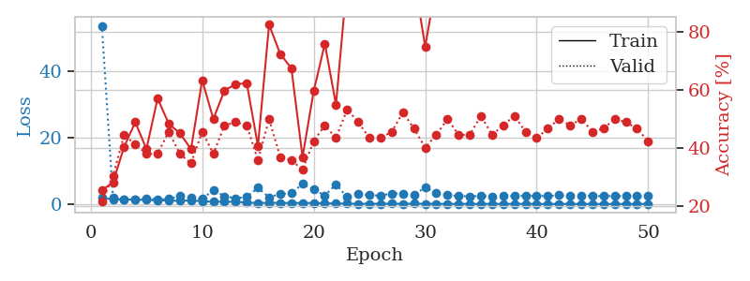
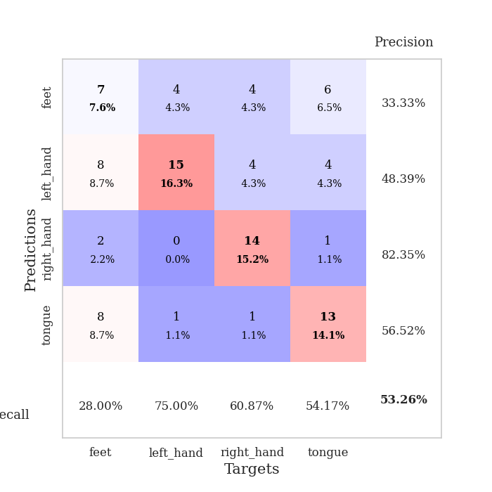
train_loss | valid_loss | train_accuracy | valid_accuracy | dur | train_misclass | valid_misclass
1.8060789938 | 53.645587424 | 0.25543478261 | 0.21739130435 | 1.1550352573 | 25.543478261 | 21.739130435
1.3871164322 | 1.8288573493 | 0.28260869565 | 0.30434782609 | 1.1500525475 | 28.260869565 | 30.434782609
1.387580488 | 1.3522691312 | 0.40489130435 | 0.44565217391 | 1.1488063335 | 40.489130435 | 44.565217391
1.2923990462 | 1.2555799536 | 0.48913043478 | 0.41304347826 | 1.1485357285 | 48.913043478 | 41.304347826
1.2382056273 | 1.6689220045 | 0.39673913043 | 0.38043478261 | 1.1500732899 | 39.673913043 | 38.043478261
1.0974503626 | 1.3743945205 | 0.57065217391 | 0.38043478261 | 1.1513605118 | 57.065217391 | 38.043478261
1.0375164177 | 1.4857990483 | 0.48369565217 | 0.45652173913 | 1.1514315605 | 48.369565217 | 45.652173913
0.94383872851 | 2.4442846101 | 0.45108695652 | 0.38043478261 | 1.1505441666 | 45.108695652 | 38.043478261
1.060294185 | 1.7844113993 | 0.39673913043 | 0.34782608696 | 1.1512088776 | 39.673913043 | 34.782608696
0.82161016697 | 1.4863448039 | 0.63315217391 | 0.45652173913 | 1.1516246796 | 63.315217391 | 45.652173913
0.67455961134 | 4.1925171044 | 0.5 | 0.38043478261 | 1.1515648365 | 50 | 38.043478261
0.68620939358 | 2.3089251933 | 0.59782608696 | 0.47826086957 | 1.1519556046 | 59.782608696 | 47.826086957
0.63561353735 | 1.7367524375 | 0.61956521739 | 0.48913043478 | 1.1545574665 | 61.956521739 | 48.913043478
0.44211328742 | 2.0616315292 | 0.6222826087 | 0.47826086957 | 1.1513190269 | 62.22826087 | 47.826086957
0.31391355395 | 4.891940687 | 0.40760869565 | 0.35869565217 | 1.1513624191 | 40.760869565 | 35.869565217
0.35214996079 | 1.9730803552 | 0.82336956522 | 0.5 | 1.1514184475 | 82.336956522 | 50
0.34372108009 | 3.0671678833 | 0.72282608696 | 0.36956521739 | 1.152274847 | 72.282608696 | 36.956521739
0.28736917415 | 3.1820015596 | 0.67391304348 | 0.35869565217 | 1.1511929035 | 67.391304348 | 35.869565217
0.29740154516 | 6.0595705198 | 0.36956521739 | 0.32608695652 | 1.1509535313 | 36.956521739 | 32.608695652
0.30164856917 | 4.3073421976 | 0.59510869565 | 0.42391304348 | 1.1515667439 | 59.510869565 | 42.391304348
0.17832010337 | 2.5542568072 | 0.75815217391 | 0.47826086957 | 1.1515567303 | 75.815217391 | 47.826086957
0.13519263875 | 5.9105594158 | 0.54891304348 | 0.4347826087 | 1.1519856453 | 54.891304348 | 43.47826087
0.095215167364 | 2.0620421741 | 0.97826086957 | 0.53260869565 | 1.1516449451 | 97.826086957 | 53.260869565
0.066093780991 | 3.054352356 | 0.9402173913 | 0.48913043478 | 1.1523823738 | 94.02173913 | 48.913043478
0.064494576791 | 2.6329489273 | 0.95380434783 | 0.4347826087 | 1.1506407261 | 95.380434783 | 43.47826087
0.05896753012 | 2.5098335847 | 0.9972826087 | 0.4347826087 | 1.1513943672 | 99.72826087 | 43.47826087
0.079053689604 | 3.1533202088 | 0.88315217391 | 0.45652173913 | 1.1514441967 | 88.315217391 | 45.652173913
0.052459744615 | 3.1727935231 | 0.89673913043 | 0.52173913043 | 1.1515684128 | 89.673913043 | 52.173913043
0.085911680944 | 2.6562243856 | 0.98913043478 | 0.46739130435 | 1.151897192 | 98.913043478 | 46.739130435
0.050452145059 | 5.0173360368 | 0.7472826087 | 0.40217391304 | 1.1526248455 | 74.72826087 | 40.217391304
0.0404430593 | 3.2565261592 | 0.96739130435 | 0.44565217391 | 1.1519086361 | 96.739130435 | 44.565217391
0.018678932289 | 2.6185227477 | 1 | 0.5 | 1.1518435478 | 100 | 50
0.027100955703 | 2.3586423397 | 1 | 0.44565217391 | 1.1513221264 | 100 | 44.565217391
0.0086632288345 | 2.3259346796 | 1 | 0.44565217391 | 1.1516110897 | 100 | 44.565217391
0.021610050432 | 2.4171142371 | 1 | 0.51086956522 | 1.152030468 | 100 | 51.086956522
0.0095370603047 | 2.2720048946 | 1 | 0.44565217391 | 1.1521418095 | 100 | 44.565217391
0.026669081306 | 2.4132390748 | 1 | 0.47826086957 | 1.1525900364 | 100 | 47.826086957
0.01156528022 | 2.3944382979 | 1 | 0.51086956522 | 1.1517636776 | 100 | 51.086956522
0.040613474982 | 2.4592837976 | 1 | 0.45652173913 | 1.1515219212 | 100 | 45.652173913
0.0087170075048 | 2.4102162589 | 1 | 0.4347826087 | 1.1524879932 | 100 | 43.47826087
0.0098545811868 | 2.3984868112 | 1 | 0.46739130435 | 1.1523709297 | 100 | 46.739130435
0.025576930777 | 2.6144351856 | 1 | 0.5 | 1.1521449089 | 100 | 50
0.021508569951 | 2.3958024149 | 1 | 0.47826086957 | 1.1522576809 | 100 | 47.826086957
0.010823953715 | 2.475716508 | 1 | 0.5 | 1.1529304981 | 100 | 50
0.0054738461926 | 2.3679220676 | 1 | 0.45652173913 | 1.1519079208 | 100 | 45.652173913
0.0061430506074 | 2.3582901022 | 1 | 0.46739130435 | 1.1520209312 | 100 | 46.739130435
0.0084747450613 | 2.3738009515 | 1 | 0.5 | 1.1522674561 | 100 | 50
0.004142693659 | 2.3808126035 | 1 | 0.48913043478 | 1.1527032852 | 100 | 48.913043478
0.014308490421 | 2.3693335471 | 1 | 0.46739130435 | 1.1522388458 | 100 | 46.739130435
0.028199048409 | 2.3987905668 | 1 | 0.42391304348 | 1.1522567272 | 100 | 42.391304348

Best Val accuracy is 0.532608695652174 and Best test accuracy is 0.6120689655172413

Sheet10
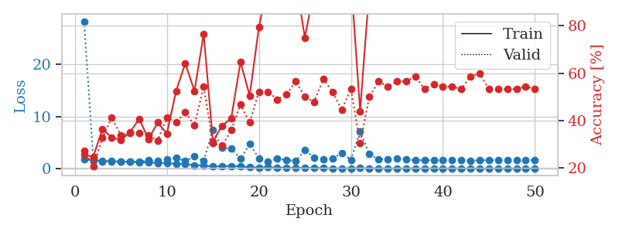
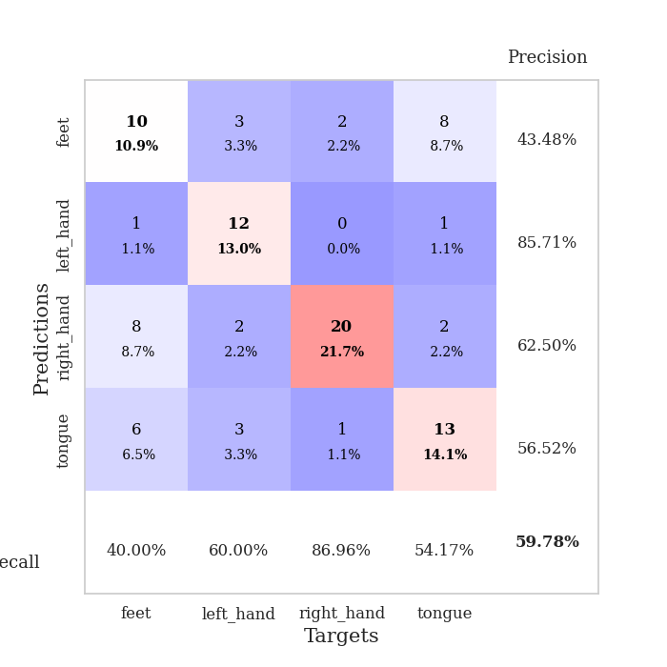
train_loss | valid_loss | train_accuracy | valid_accuracy | dur | train_misclass | valid_misclass
1.8021879093 | 28.292407907 | 0.25543478261 | 0.27173913043 | 1.1526896954 | 25.543478261 | 27.173913043
1.5183793151 | 1.8734752095 | 0.2472826087 | 0.20652173913 | 1.1489500999 | 24.72826087 | 20.652173913
1.4085621782 | 1.3736089986 | 0.36413043478 | 0.32608695652 | 1.1506102085 | 36.413043478 | 32.608695652
1.3890213293 | 1.3543728279 | 0.32880434783 | 0.41304347826 | 1.1498639584 | 32.880434783 | 41.304347826
1.3141040698 | 1.3600483718 | 0.31793478261 | 0.33695652174 | 1.1499521732 | 31.793478261 | 33.695652174
1.2921850526 | 1.2814799962 | 0.35054347826 | 0.34782608696 | 1.1497745514 | 35.054347826 | 34.782608696
1.2253962341 | 1.2765521796 | 0.40760869565 | 0.34782608696 | 1.1507117748 | 40.760869565 | 34.782608696
1.1383725223 | 1.5404135766 | 0.32065217391 | 0.33695652174 | 1.150482893 | 32.065217391 | 33.695652174
1.0459929238 | 1.3885466793 | 0.39130434783 | 0.3152173913 | 1.1502792835 | 39.130434783 | 31.52173913
1.0673369713 | 1.68435727 | 0.34510869565 | 0.41304347826 | 1.1502203941 | 34.510869565 | 41.304347826
0.86116719246 | 2.0446979222 | 0.52445652174 | 0.39130434783 | 1.1506040096 | 52.445652174 | 39.130434783
0.84242828255 | 1.417401801 | 0.64130434783 | 0.4347826087 | 1.1504194736 | 64.130434783 | 43.47826087
0.6178094939 | 2.3188494651 | 0.52445652174 | 0.38043478261 | 1.1521377563 | 52.445652174 | 38.043478261
0.55236762762 | 1.4657849384 | 0.76630434783 | 0.54347826087 | 1.1503453255 | 76.630434783 | 54.347826087
0.38198554905 | 7.3710866596 | 0.3125 | 0.30434782609 | 1.1515784264 | 31.25 | 30.434782609
0.46518359819 | 3.988511977 | 0.3777173913 | 0.29347826087 | 1.1499121189 | 37.77173913 | 29.347826087
0.43636441134 | 3.7870937845 | 0.41032608696 | 0.35869565217 | 1.1502737999 | 41.032608696 | 35.869565217
0.4031597486 | 1.8324158088 | 0.64673913043 | 0.46739130435 | 1.1499252319 | 64.673913043 | 46.739130435
0.19372014458 | 4.6536274993 | 0.50543478261 | 0.39130434783 | 1.1513168812 | 50.543478261 | 39.130434783
0.1753092792 | 1.9666538109 | 0.79347826087 | 0.52173913043 | 1.1505784988 | 79.347826087 | 52.173913043
0.20376991966 | 1.3318649194 | 0.97826086957 | 0.52173913043 | 1.1511695385 | 97.826086957 | 52.173913043
0.16989865267 | 1.8294840325 | 0.98641304348 | 0.48913043478 | 1.1513140202 | 98.641304348 | 48.913043478
0.13916908512 | 1.6509344215 | 0.97554347826 | 0.51086956522 | 1.1505048275 | 97.554347826 | 51.086956522
0.097889469289 | 1.4118836496 | 0.99184782609 | 0.5652173913 | 1.1513805389 | 99.184782609 | 56.52173913
0.12685059837 | 3.5192900533 | 0.75 | 0.5 | 1.1515722275 | 75 | 50
0.10377456325 | 2.0266645888 | 0.95380434783 | 0.47826086957 | 1.150331974 | 95.380434783 | 47.826086957
0.059789971975 | 1.7540268432 | 0.99184782609 | 0.57608695652 | 1.1525585651 | 99.184782609 | 57.608695652
0.028578858433 | 1.8368270708 | 0.9972826087 | 0.52173913043 | 1.1509666443 | 99.72826087 | 52.173913043
0.029374034296 | 2.977079236 | 0.91576086957 | 0.44565217391 | 1.1508207321 | 91.576086957 | 44.565217391
0.019263286541 | 1.6725548609 | 1 | 0.53260869565 | 1.150396347 | 100 | 53.260869565
0.04455230136 | 7.1526699066 | 0.4402173913 | 0.30434782609 | 1.1509931087 | 44.02173913 | 30.434782609
0.021210642137 | 2.7334006144 | 0.95380434783 | 0.5 | 1.1509680748 | 95.380434783 | 50
0.01771134728 | 1.7504441116 | 1 | 0.5652173913 | 1.1513061523 | 100 | 56.52173913
0.010907644016 | 1.7376470151 | 1 | 0.54347826087 | 1.1523451805 | 100 | 54.347826087
0.0063299387213 | 1.9412725127 | 1 | 0.5652173913 | 1.1513850689 | 100 | 56.52173913
0.0082965659474 | 1.7553822061 | 1 | 0.5652173913 | 1.1514558792 | 100 | 56.52173913
0.0075076053643 | 1.5703653615 | 1 | 0.58695652174 | 1.1513748169 | 100 | 58.695652174
0.0066634251979 | 1.5860417615 | 1 | 0.53260869565 | 1.1508193016 | 100 | 53.260869565
0.0065064305179 | 1.5807615933 | 1 | 0.55434782609 | 1.1511161327 | 100 | 55.434782609
0.0039008988179 | 1.5552147109 | 1 | 0.54347826087 | 1.1522014141 | 100 | 54.347826087
0.0084749842303 | 1.560276866 | 1 | 0.54347826087 | 1.1518185139 | 100 | 54.347826087
0.019557298872 | 1.607780016 | 1 | 0.53260869565 | 1.1514883041 | 100 | 53.260869565
0.012208468959 | 1.5249029191 | 1 | 0.58695652174 | 1.1509590149 | 100 | 58.695652174
0.0033753464649 | 1.538281731 | 1 | 0.59782608696 | 1.1522314548 | 100 | 59.782608696
0.009704647911 | 1.5781469397 | 1 | 0.53260869565 | 1.1511502266 | 100 | 53.260869565
0.0078349594076 | 1.6026233953 | 1 | 0.53260869565 | 1.1508638859 | 100 | 53.260869565
0.0025752850634 | 1.6078249216 | 1 | 0.53260869565 | 1.152156353 | 100 | 53.260869565
0.0054948394599 | 1.5945117318 | 1 | 0.53260869565 | 1.1520938873 | 100 | 53.260869565
0.0052350749813 | 1.5931208548 | 1 | 0.54347826087 | 1.1518871784 | 100 | 54.347826087
0.0089596351685 | 1.6138803492 | 1 | 0.53260869565 | 1.151143074 | 100 | 53.260869565

Best Val accuracy is 0.5978260869565217 and Best test accuracy is 0.49137931034482757

