Sheet
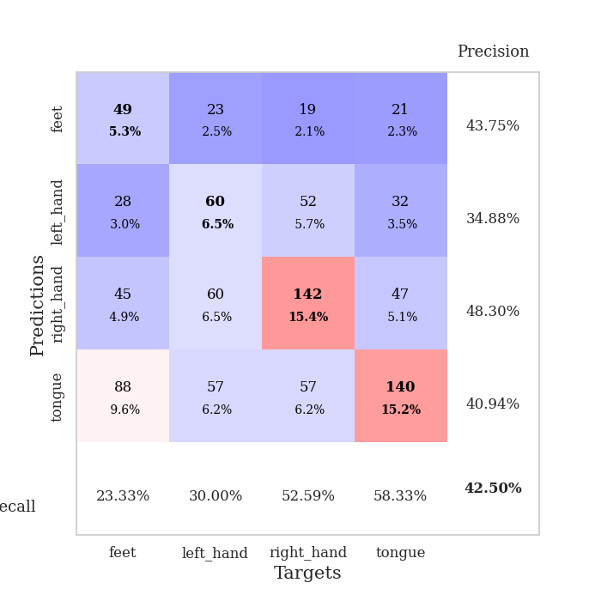
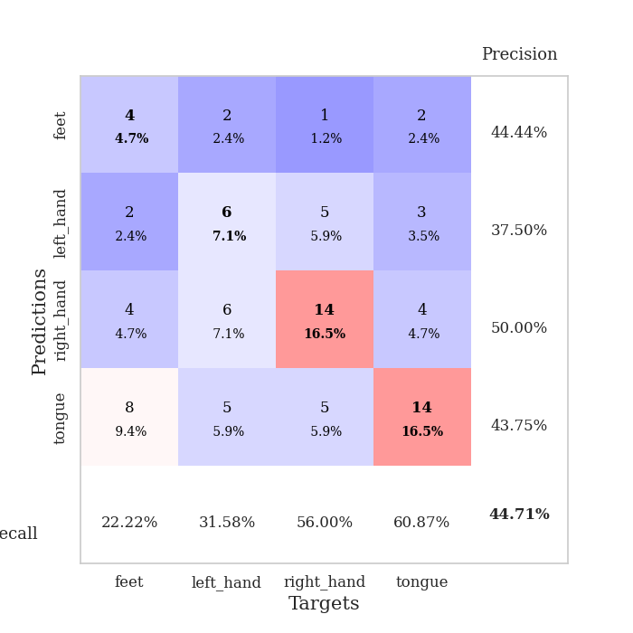
best_val_acc | best_val_los | best_test_acc
0.40217391304 | 1.3936953285 | 0.30172413793
0.40217391304 | 1.3258321285 | 0.31034482759
0.4347826087 | 1.5207647448 | 0.33620689655
0.44565217391 | 1.3377969161 | 0.31896551724
0.42391304348 | 1.5679220272 | 0.30172413793
0.41304347826 | 1.3384939847 | 0.3275862069
0.47826086957 | 1.5774350322 | 0.38793103448
0.41304347826 | 1.4080069117 | 0.3275862069
0.41304347826 | 1.3705899767 | 0.36206896552
0.42391304348 | 1.2881365496 | 0.35344827586

Mean,std Val accuracy is 0.425 , 0.02317141587727461 and mean, std test accuracy is 0.33275862068965517 , 0.027919443221818663

Sheet1
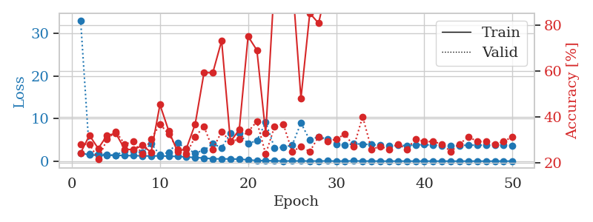
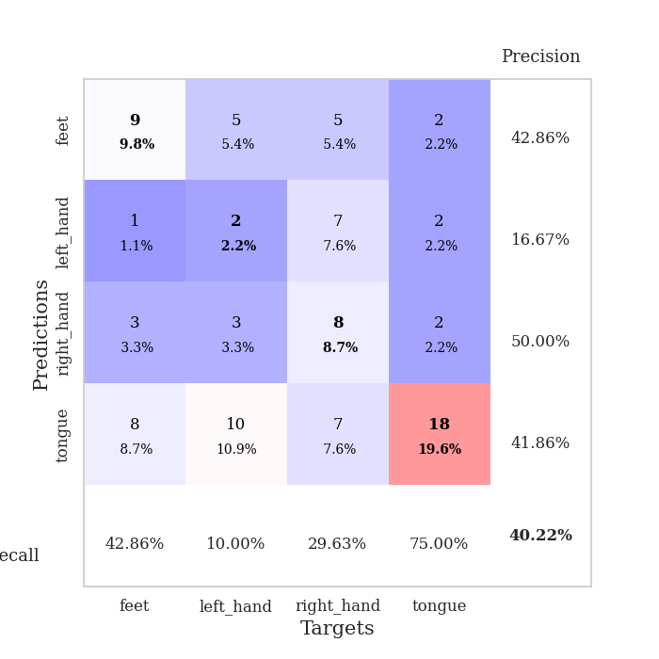
train_loss | valid_loss | train_accuracy | valid_accuracy | dur | train_misclass | valid_misclass
1.9318835476 | 33.124394209 | 0.24456521739 | 0.28260869565 | 1.1509201527 | 24.456521739 | 28.260869565
1.4494171454 | 1.7448837291 | 0.32065217391 | 0.28260869565 | 1.1482477188 | 32.065217391 | 28.260869565
1.3947402343 | 1.6852196559 | 0.26358695652 | 0.21739130435 | 1.1498465538 | 26.358695652 | 21.739130435
1.3870134354 | 1.4848500698 | 0.32065217391 | 0.30434782609 | 1.14970541 | 32.065217391 | 30.434782609
1.3731679865 | 1.3936953285 | 0.32880434783 | 0.33695652174 | 1.1486501694 | 32.880434783 | 33.695652174
1.3265308608 | 2.436444946 | 0.26086956522 | 0.28260869565 | 1.1484863758 | 26.086956522 | 28.260869565
1.2737995749 | 2.3889188715 | 0.25815217391 | 0.29347826087 | 1.1491975784 | 25.815217391 | 29.347826087
1.2536115232 | 1.9780429239 | 0.27717391304 | 0.23913043478 | 1.1492865086 | 27.717391304 | 23.913043478
1.2038194822 | 4.1481308833 | 0.2472826087 | 0.30434782609 | 1.1494379044 | 24.72826087 | 30.434782609
1.243331282 | 1.444340229 | 0.45380434783 | 0.36956521739 | 1.1502640247 | 45.380434783 | 36.956521739
1.1655025871 | 2.1066427438 | 0.33967391304 | 0.32608695652 | 1.1494150162 | 33.967391304 | 32.608695652
1.0961621015 | 4.3697496082 | 0.25 | 0.26086956522 | 1.1500120163 | 25 | 26.086956522
0.98438444086 | 2.8606205816 | 0.26358695652 | 0.23913043478 | 1.1501414776 | 26.358695652 | 23.913043478
0.84493065917 | 1.9556242228 | 0.36956521739 | 0.3152173913 | 1.150564909 | 36.956521739 | 31.52173913
0.73366688645 | 2.5501272886 | 0.59239130435 | 0.35869565217 | 1.1493625641 | 59.239130435 | 35.869565217
0.53868939825 | 4.0939147161 | 0.59239130435 | 0.26086956522 | 1.1507775784 | 59.239130435 | 26.086956522
0.54140749055 | 3.1590429285 | 0.73097826087 | 0.33695652174 | 1.1496708393 | 73.097826087 | 33.695652174
0.51595310349 | 6.5233486839 | 0.29347826087 | 0.29347826087 | 1.1501078606 | 29.347826087 | 29.347826087
0.46629895529 | 6.4886462585 | 0.34510869565 | 0.30434782609 | 1.1515650749 | 34.510869565 | 30.434782609
0.30817455474 | 4.0882435467 | 0.75 | 0.33695652174 | 1.1503810883 | 75 | 33.695652174
0.13625195072 | 4.8508646281 | 0.6902173913 | 0.38043478261 | 1.1501882076 | 69.02173913 | 38.043478261
0.13432438291 | 9.1125254838 | 0.32880434783 | 0.23913043478 | 1.150424242 | 32.880434783 | 23.913043478
0.077800030982 | 3.1396399063 | 0.98913043478 | 0.35869565217 | 1.1510014534 | 98.913043478 | 35.869565217
0.041371193937 | 3.2697527771 | 0.98913043478 | 0.36956521739 | 1.1508345604 | 98.913043478 | 36.956521739
0.050301391368 | 3.7572920633 | 1 | 0.25 | 1.1511557102 | 100 | 25
0.053619350924 | 8.986969782 | 0.48097826087 | 0.27173913043 | 1.1506447792 | 48.097826087 | 27.173913043
0.035914137646 | 4.9339816674 | 0.85054347826 | 0.25 | 1.1505632401 | 85.054347826 | 25
0.043601502624 | 5.747270978 | 0.80706521739 | 0.3152173913 | 1.1509251595 | 80.706521739 | 31.52173913
0.046664460977 | 5.176024437 | 0.97282608696 | 0.29347826087 | 1.151311636 | 97.282608696 | 29.347826087
0.019355625026 | 4.047851407 | 0.99184782609 | 0.30434782609 | 1.1523940563 | 99.184782609 | 30.434782609
0.024678404544 | 3.8082716983 | 1 | 0.32608695652 | 1.1512284279 | 100 | 32.608695652
0.07354771173 | 4.0878428791 | 0.99456521739 | 0.27173913043 | 1.1515953541 | 99.456521739 | 27.173913043
0.021392226482 | 4.0275724349 | 1 | 0.40217391304 | 1.1516330242 | 100 | 40.217391304
0.028292056378 | 3.8755042346 | 1 | 0.26086956522 | 1.1517066956 | 100 | 26.086956522
0.010540489391 | 3.766228624 | 1 | 0.27173913043 | 1.1501181126 | 100 | 27.173913043
0.0082590475263 | 3.6417387568 | 1 | 0.26086956522 | 1.1520118713 | 100 | 26.086956522
0.011218736988 | 3.7158514002 | 1 | 0.28260869565 | 1.1508638859 | 100 | 28.260869565
0.0094371277854 | 3.6471940227 | 1 | 0.26086956522 | 1.1520440578 | 100 | 26.086956522
0.0078632376946 | 3.8377208502 | 1 | 0.30434782609 | 1.1512823105 | 100 | 30.434782609
0.012856628095 | 3.876326561 | 1 | 0.29347826087 | 1.1524269581 | 100 | 29.347826087
0.0093489795564 | 3.7195527139 | 1 | 0.29347826087 | 1.1516158581 | 100 | 29.347826087
0.0083370370292 | 3.6863916646 | 1 | 0.28260869565 | 1.1521298885 | 100 | 28.260869565
0.0053371057577 | 3.6457361968 | 1 | 0.25 | 1.1527531147 | 100 | 25
0.0043353939862 | 3.6794613237 | 1 | 0.28260869565 | 1.15224123 | 100 | 28.260869565
0.0095193542884 | 3.757089988 | 1 | 0.3152173913 | 1.1526510715 | 100 | 31.52173913
0.0044375268272 | 3.7673730228 | 1 | 0.29347826087 | 1.1525285244 | 100 | 29.347826087
0.0031505649132 | 3.7617306295 | 1 | 0.29347826087 | 1.1520154476 | 100 | 29.347826087
0.0081367570687 | 3.8533211376 | 1 | 0.28260869565 | 1.1528186798 | 100 | 28.260869565
0.012550329972 | 3.7248127875 | 1 | 0.29347826087 | 1.1524848938 | 100 | 29.347826087
0.011471969479 | 3.695150251 | 1 | 0.3152173913 | 1.1522324085 | 100 | 31.52173913

Best Val accuracy is 0.40217391304347827 and Best test accuracy is 0.3017241379310345

Sheet2
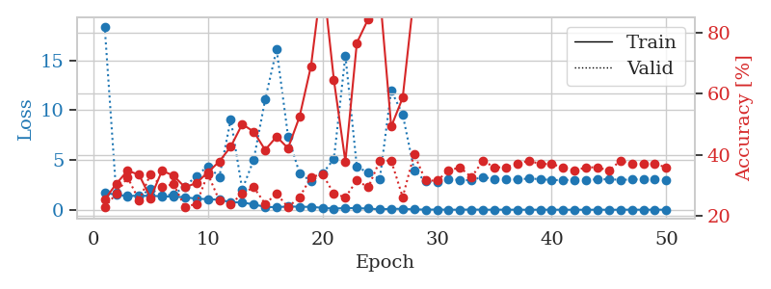
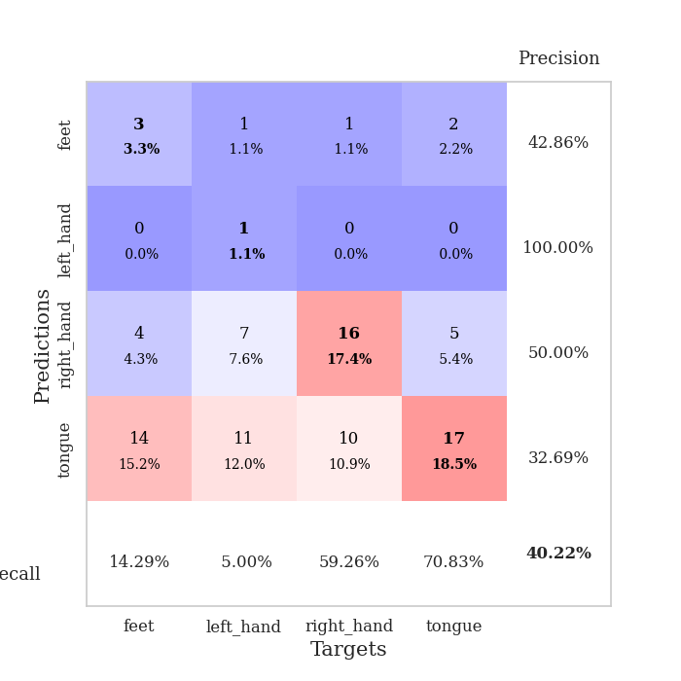
train_loss | valid_loss | train_accuracy | valid_accuracy | dur | train_misclass | valid_misclass
1.7159048941 | 18.399592856 | 0.2527173913 | 0.22826086957 | 1.1540541649 | 25.27173913 | 22.826086957
1.5042966656 | 1.7124463527 | 0.30434782609 | 0.27173913043 | 1.1498026848 | 30.434782609 | 27.173913043
1.3840178303 | 1.3664942151 | 0.34782608696 | 0.32608695652 | 1.1498303413 | 34.782608696 | 32.608695652
1.4160055959 | 1.3258321285 | 0.33423913043 | 0.25 | 1.1492977142 | 33.423913043 | 25
1.3893554522 | 2.0832013306 | 0.25815217391 | 0.33695652174 | 1.1499340534 | 25.815217391 | 33.695652174
1.3653049676 | 1.3884402824 | 0.34782608696 | 0.29347826087 | 1.1494457722 | 34.782608696 | 29.347826087
1.2982621608 | 1.551311721 | 0.33152173913 | 0.30434782609 | 1.1507327557 | 33.152173913 | 30.434782609
1.2690221019 | 2.3188764012 | 0.29347826087 | 0.22826086957 | 1.1500859261 | 29.347826087 | 22.826086957
1.1096209599 | 3.402839671 | 0.30706521739 | 0.23913043478 | 1.1494529247 | 30.706521739 | 23.913043478
1.0703696557 | 4.3690617499 | 0.34239130435 | 0.33695652174 | 1.1495437622 | 34.239130435 | 33.695652174
1.001126095 | 3.30772431 | 0.3777173913 | 0.25 | 1.1498975754 | 37.77173913 | 25
0.75980307745 | 9.0724721577 | 0.42663043478 | 0.23913043478 | 1.1496086121 | 42.663043478 | 23.913043478
0.7372937954 | 2.0342741116 | 0.5 | 0.27173913043 | 1.1500635147 | 50 | 27.173913043
0.53538358989 | 5.0115261078 | 0.47554347826 | 0.29347826087 | 1.1510286331 | 47.554347826 | 29.347826087
0.29070113923 | 11.066453478 | 0.41576086957 | 0.23913043478 | 1.1494679451 | 41.576086957 | 23.913043478
0.25966569425 | 16.106374699 | 0.45923913043 | 0.27173913043 | 1.1501712799 | 45.923913043 | 27.173913043
0.33254900656 | 7.3604939502 | 0.42119565217 | 0.22826086957 | 1.1501824856 | 42.119565217 | 22.826086957
0.30475119501 | 3.6708284046 | 0.52445652174 | 0.26086956522 | 1.1501224041 | 52.445652174 | 26.086956522
0.29026732173 | 2.8606394892 | 0.6902173913 | 0.32608695652 | 1.150113821 | 69.02173913 | 32.608695652
0.19815274085 | 3.6277152559 | 0.98913043478 | 0.33695652174 | 1.1505527496 | 98.913043478 | 33.695652174
0.11737287441 | 5.1021188653 | 0.64402173913 | 0.27173913043 | 1.1513268948 | 64.402173913 | 27.173913043
0.17735764315 | 15.48146422 | 0.3777173913 | 0.26086956522 | 1.1510272026 | 37.77173913 | 26.086956522
0.1636228462 | 4.3212245651 | 0.76630434783 | 0.3152173913 | 1.1502361298 | 76.630434783 | 31.52173913
0.12296600012 | 3.7181530621 | 0.84510869565 | 0.29347826087 | 1.1508004665 | 84.510869565 | 29.347826087
0.041224096456 | 3.0824091434 | 0.92934782609 | 0.38043478261 | 1.1508569717 | 92.934782609 | 38.043478261
0.10100934845 | 11.968400478 | 0.49184782609 | 0.38043478261 | 1.1515789032 | 49.184782609 | 38.043478261
0.087376225051 | 9.5679148384 | 0.58695652174 | 0.26086956522 | 1.1513016224 | 58.695652174 | 26.086956522
0.038865695738 | 3.9871695353 | 0.92663043478 | 0.40217391304 | 1.1501262188 | 92.663043478 | 40.217391304
0.018540828499 | 2.8303580906 | 1 | 0.3152173913 | 1.1519391537 | 100 | 31.52173913
0.023409858235 | 2.776807246 | 1 | 0.3152173913 | 1.1503400803 | 100 | 31.52173913
0.0081925509958 | 3.1117144875 | 1 | 0.34782608696 | 1.1504437923 | 100 | 34.782608696
0.008180091603 | 2.9688041936 | 1 | 0.35869565217 | 1.1506774426 | 100 | 35.869565217
0.024334622775 | 2.9841720747 | 1 | 0.32608695652 | 1.1507487297 | 100 | 32.608695652
0.0071651045608 | 3.2940844453 | 1 | 0.38043478261 | 1.1513161659 | 100 | 38.043478261
0.0090371804469 | 3.0813506479 | 1 | 0.35869565217 | 1.1513757706 | 100 | 35.869565217
0.012555752925 | 3.0354291252 | 1 | 0.35869565217 | 1.1520321369 | 100 | 35.869565217
0.0064037740838 | 3.0450411361 | 1 | 0.36956521739 | 1.1514861584 | 100 | 36.956521739
0.0056646349005 | 3.1366651576 | 1 | 0.38043478261 | 1.1511266232 | 100 | 38.043478261
0.0067213901076 | 3.0772492575 | 1 | 0.36956521739 | 1.1519117355 | 100 | 36.956521739
0.0084101872888 | 2.9810760747 | 1 | 0.36956521739 | 1.1513824463 | 100 | 36.956521739
0.0042737923757 | 2.9821373172 | 1 | 0.35869565217 | 1.1510853767 | 100 | 35.869565217
0.0054074975576 | 3.0046542209 | 1 | 0.34782608696 | 1.1507787704 | 100 | 34.782608696
0.0020220446155 | 3.013713111 | 1 | 0.35869565217 | 1.1517739296 | 100 | 35.869565217
0.0075442852002 | 3.0445153921 | 1 | 0.35869565217 | 1.1521422863 | 100 | 35.869565217
0.0044912971587 | 3.0685751023 | 1 | 0.34782608696 | 1.1516897678 | 100 | 34.782608696
0.0032274855286 | 3.0035405677 | 1 | 0.38043478261 | 1.1523623466 | 100 | 38.043478261
0.015018694823 | 3.0289894913 | 1 | 0.36956521739 | 1.1515557766 | 100 | 36.956521739
0.0031341577566 | 3.0796660651 | 1 | 0.36956521739 | 1.1514704227 | 100 | 36.956521739
0.011691944276 | 3.0503100105 | 1 | 0.36956521739 | 1.1517896652 | 100 | 36.956521739
0.0051822113797 | 2.9603728937 | 1 | 0.35869565217 | 1.151815176 | 100 | 35.869565217

Best Val accuracy is 0.40217391304347827 and Best test accuracy is 0.3103448275862069

Sheet3
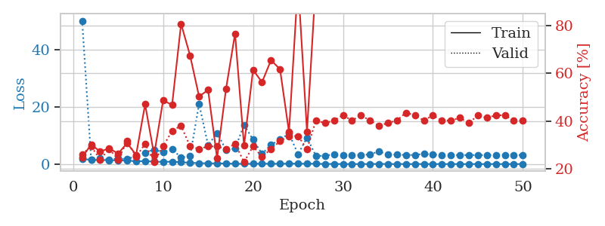
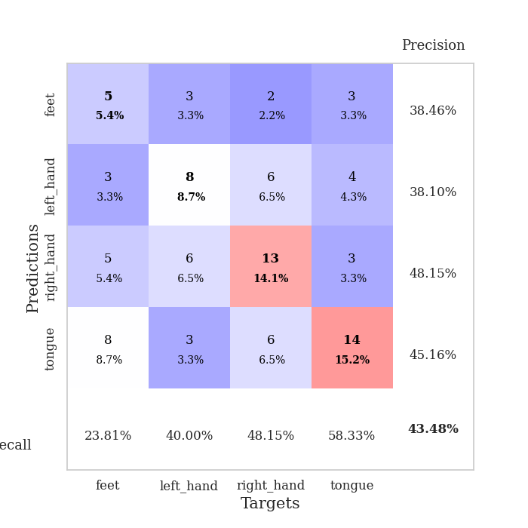
train_loss | valid_loss | train_accuracy | valid_accuracy | dur | train_misclass | valid_misclass
1.8361944478 | 50.063551032 | 0.2472826087 | 0.26086956522 | 1.1539237499 | 24.72826087 | 26.086956522
1.439380029 | 1.5207647448 | 0.30163043478 | 0.29347826087 | 1.1494112015 | 30.163043478 | 29.347826087
1.4317096731 | 2.1678080559 | 0.27173913043 | 0.23913043478 | 1.1492407322 | 27.173913043 | 23.913043478
1.3441200619 | 1.5724691515 | 0.28532608696 | 0.28260869565 | 1.1497738361 | 28.532608696 | 28.260869565
1.2745336709 | 1.9312132545 | 0.26358695652 | 0.23913043478 | 1.1489439011 | 26.358695652 | 23.913043478
1.1781528385 | 1.7268587403 | 0.30706521739 | 0.3152173913 | 1.1493468285 | 30.706521739 | 31.52173913
0.99189545538 | 2.8042984216 | 0.25815217391 | 0.25 | 1.149828434 | 25.815217391 | 25
1.0195971779 | 3.9817506334 | 0.47010869565 | 0.30434782609 | 1.149561882 | 47.010869565 | 30.434782609
0.86085850519 | 5.0187152158 | 0.25815217391 | 0.22826086957 | 1.1507055759 | 25.815217391 | 22.826086957
0.76302170883 | 4.1280353173 | 0.48641304348 | 0.29347826087 | 1.1500217915 | 48.641304348 | 29.347826087
0.83289468677 | 5.1112992867 | 0.46739130435 | 0.35869565217 | 1.1498138905 | 46.739130435 | 35.869565217
0.63156470009 | 2.317271243 | 0.80706521739 | 0.38043478261 | 1.1505060196 | 80.706521739 | 38.043478261
0.45895394294 | 2.7038575463 | 0.67391304348 | 0.29347826087 | 1.1506109238 | 67.391304348 | 29.347826087
0.30462489731 | 21.010470183 | 0.5027173913 | 0.28260869565 | 1.1501836777 | 50.27173913 | 28.260869565
0.26583111383 | 6.6060378033 | 0.52989130435 | 0.29347826087 | 1.150813818 | 52.989130435 | 29.347826087
0.22499057246 | 10.779527291 | 0.24456521739 | 0.29347826087 | 1.1507670879 | 24.456521739 | 29.347826087
0.20828101606 | 5.011414134 | 0.53532608696 | 0.28260869565 | 1.1503071785 | 53.532608696 | 28.260869565
0.090718535868 | 5.3983292994 | 0.76630434783 | 0.30434782609 | 1.1507689953 | 76.630434783 | 30.434782609
0.07613965213 | 13.701927766 | 0.29619565217 | 0.22826086957 | 1.1515760422 | 29.619565217 | 22.826086957
0.096551699544 | 8.5097782301 | 0.61413043478 | 0.29347826087 | 1.1541514397 | 61.413043478 | 29.347826087
0.13904207329 | 3.5378991106 | 0.5625 | 0.25 | 1.150342226 | 56.25 | 25
0.11351314203 | 6.7645565738 | 0.65489130435 | 0.28260869565 | 1.1511850357 | 65.489130435 | 28.260869565
0.093410374556 | 8.5026856298 | 0.61684782609 | 0.3152173913 | 1.1503384113 | 61.684782609 | 31.52173913
0.16428808046 | 10.651981292 | 0.35326086957 | 0.33695652174 | 1.1509299278 | 35.326086957 | 33.695652174
0.1297050376 | 3.4662308486 | 0.98097826087 | 0.33695652174 | 1.1512973309 | 98.097826087 | 33.695652174
0.13359682582 | 9.1679080258 | 0.35597826087 | 0.28260869565 | 1.1506874561 | 35.597826087 | 28.260869565
0.11311809617 | 2.838189208 | 0.9972826087 | 0.40217391304 | 1.1505548954 | 99.72826087 | 40.217391304
0.030985365966 | 2.8987467289 | 1 | 0.39130434783 | 1.1514999866 | 100 | 39.130434783
0.049798344323 | 3.4381616945 | 1 | 0.40217391304 | 1.150608778 | 100 | 40.217391304
0.011835456785 | 3.1478437859 | 1 | 0.42391304348 | 1.1505863667 | 100 | 42.391304348
0.0050479238094 | 3.1312331739 | 1 | 0.40217391304 | 1.1501948833 | 100 | 40.217391304
0.011145524655 | 3.2070454826 | 1 | 0.42391304348 | 1.1505336761 | 100 | 42.391304348
0.016139354921 | 3.3004028797 | 1 | 0.40217391304 | 1.1502521038 | 100 | 40.217391304
0.062334749486 | 4.481937481 | 0.8777173913 | 0.38043478261 | 1.1500411034 | 87.77173913 | 38.043478261
0.01163713821 | 3.2266710634 | 1 | 0.39130434783 | 1.1506831646 | 100 | 39.130434783
0.0071482491457 | 3.3789650772 | 1 | 0.40217391304 | 1.1509718895 | 100 | 40.217391304
0.014474292164 | 3.1167514532 | 1 | 0.4347826087 | 1.1506659985 | 100 | 43.47826087
0.0070468219713 | 3.2132919768 | 1 | 0.42391304348 | 1.151232481 | 100 | 42.391304348
0.012409795263 | 3.5442084126 | 1 | 0.40217391304 | 1.1507570744 | 100 | 40.217391304
0.0056838039283 | 3.2700551593 | 1 | 0.42391304348 | 1.1507732868 | 100 | 42.391304348
0.0080231272416 | 3.2057919606 | 1 | 0.40217391304 | 1.1507773399 | 100 | 40.217391304
0.0066099399929 | 3.1738972146 | 1 | 0.40217391304 | 1.151140213 | 100 | 40.217391304
0.0050945154887 | 3.1092524321 | 1 | 0.41304347826 | 1.1519551277 | 100 | 41.304347826
0.0016236543622 | 3.1446280583 | 1 | 0.39130434783 | 1.1505250931 | 100 | 39.130434783
0.0031760594031 | 3.1233577417 | 1 | 0.42391304348 | 1.151695013 | 100 | 42.391304348
0.0030099553772 | 3.1074552018 | 1 | 0.41304347826 | 1.1517436504 | 100 | 41.304347826
0.0024422021398 | 3.1184407317 | 1 | 0.42391304348 | 1.1510746479 | 100 | 42.391304348
0.010369501012 | 3.1251044066 | 1 | 0.42391304348 | 1.1514680386 | 100 | 42.391304348
0.0018455613589 | 3.1454583562 | 1 | 0.40217391304 | 1.1518855095 | 100 | 40.217391304
0.0032369185052 | 3.161598444 | 1 | 0.40217391304 | 1.1515507698 | 100 | 40.217391304

Best Val accuracy is 0.43478260869565216 and Best test accuracy is 0.33620689655172414

Sheet4
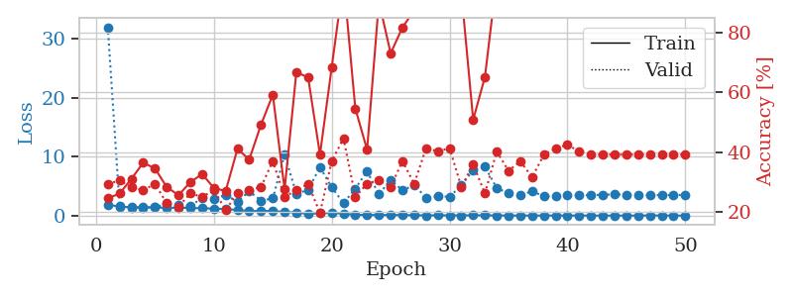
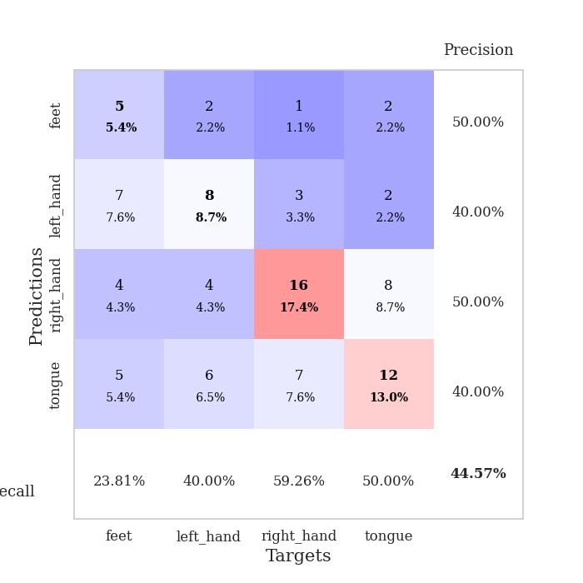
train_loss | valid_loss | train_accuracy | valid_accuracy | dur | train_misclass | valid_misclass
1.8624373571 | 31.925188894 | 0.24456521739 | 0.29347826087 | 1.1534984112 | 24.456521739 | 29.347826087
1.5142885395 | 1.6166900552 | 0.26086956522 | 0.30434782609 | 1.1481955051 | 26.086956522 | 30.434782609
1.3960708794 | 1.3683036099 | 0.3097826087 | 0.28260869565 | 1.1484460831 | 30.97826087 | 28.260869565
1.4158033703 | 1.3377969161 | 0.36413043478 | 0.27173913043 | 1.1487045288 | 36.413043478 | 27.173913043
1.3899249253 | 1.4126451534 | 0.34510869565 | 0.29347826087 | 1.1494297981 | 34.510869565 | 29.347826087
1.3084241515 | 1.943088858 | 0.28260869565 | 0.22826086957 | 1.1500277519 | 28.260869565 | 22.826086957
1.3492493992 | 1.7987874332 | 0.25543478261 | 0.21739130435 | 1.1495320797 | 25.543478261 | 21.739130435
1.2768524108 | 1.5795350023 | 0.29891304348 | 0.26086956522 | 1.1492881775 | 29.891304348 | 26.086956522
1.2546928033 | 3.0231933179 | 0.32608695652 | 0.25 | 1.1501014233 | 32.608695652 | 25
1.1650845383 | 2.8509803337 | 0.27989130435 | 0.27173913043 | 1.1497642994 | 27.989130435 | 27.173913043
1.1244789621 | 3.4772051003 | 0.26902173913 | 0.20652173913 | 1.1502642632 | 26.902173913 | 20.652173913
0.94370217945 | 2.3754382963 | 0.41032608696 | 0.26086956522 | 1.1496863365 | 41.032608696 | 26.086956522
0.77726062225 | 4.1005468265 | 0.375 | 0.27173913043 | 1.1501197815 | 37.5 | 27.173913043
0.78377762826 | 2.5542967734 | 0.49184782609 | 0.28260869565 | 1.1506328583 | 49.184782609 | 28.260869565
0.78792852163 | 2.8970509301 | 0.59239130435 | 0.36956521739 | 1.1500532627 | 59.239130435 | 36.956521739
0.6321509014 | 10.327812609 | 0.27445652174 | 0.25 | 1.1504821777 | 27.445652174 | 25
0.49646983587 | 3.6952217454 | 0.66847826087 | 0.27173913043 | 1.1494519711 | 66.847826087 | 27.173913043
0.30103478613 | 4.3461411725 | 0.64945652174 | 0.29347826087 | 1.1503853798 | 64.945652174 | 29.347826087
0.38581509111 | 8.2175058282 | 0.39130434783 | 0.19565217391 | 1.1505289078 | 39.130434783 | 19.565217391
0.45368668729 | 4.7745232997 | 0.6847826087 | 0.36956521739 | 1.1502144337 | 68.47826087 | 36.956521739
0.32813722543 | 2.1215278688 | 0.97826086957 | 0.44565217391 | 1.1497786045 | 97.826086957 | 44.565217391
0.13689823303 | 4.5715817369 | 0.54619565217 | 0.25 | 1.1504280567 | 54.619565217 | 25
0.11728282864 | 7.515672041 | 0.40760869565 | 0.29347826087 | 1.1498634815 | 40.760869565 | 29.347826087
0.085836095695 | 3.5954563307 | 0.90489130435 | 0.30434782609 | 1.1505339146 | 90.489130435 | 30.434782609
0.11603436781 | 6.083259624 | 0.73097826087 | 0.28260869565 | 1.149944067 | 73.097826087 | 28.260869565
0.079293949165 | 4.2665673132 | 0.81793478261 | 0.36956521739 | 1.150270462 | 81.793478261 | 36.956521739
0.071465722245 | 5.1612152846 | 0.875 | 0.29347826087 | 1.1503705978 | 87.5 | 29.347826087
0.033238906251 | 3.0522208732 | 1 | 0.41304347826 | 1.1508631706 | 100 | 41.304347826
0.049579556991 | 3.2997380029 | 1 | 0.40217391304 | 1.15097332 | 100 | 40.217391304
0.04178385228 | 3.1847261864 | 1 | 0.41304347826 | 1.1513049603 | 100 | 41.304347826
0.041941053831 | 5.1308281733 | 0.9347826087 | 0.28260869565 | 1.1511800289 | 93.47826087 | 28.260869565
0.049613495216 | 7.704219673 | 0.50815217391 | 0.35869565217 | 1.1514685154 | 50.815217391 | 35.869565217
0.056671743433 | 8.2880444319 | 0.65217391304 | 0.26086956522 | 1.1517033577 | 65.217391304 | 26.086956522
0.026797715828 | 4.6513335601 | 0.98369565217 | 0.40217391304 | 1.151642561 | 98.369565217 | 40.217391304
0.021798079175 | 3.7946540584 | 1 | 0.33695652174 | 1.1517016888 | 100 | 33.695652174
0.010645276659 | 3.441181639 | 1 | 0.36956521739 | 1.1519377232 | 100 | 36.956521739
0.01133604823 | 4.1451316087 | 1 | 0.3152173913 | 1.1509950161 | 100 | 31.52173913
0.011121487321 | 3.2522170544 | 1 | 0.39130434783 | 1.152122736 | 100 | 39.130434783
0.012266439244 | 3.3306378385 | 1 | 0.41304347826 | 1.1516187191 | 100 | 41.304347826
0.012695018607 | 3.5378534068 | 1 | 0.42391304348 | 1.152203083 | 100 | 42.391304348
0.017573720634 | 3.4609705884 | 1 | 0.40217391304 | 1.1520142555 | 100 | 40.217391304
0.0047985181977 | 3.442714971 | 1 | 0.39130434783 | 1.1505672932 | 100 | 39.130434783
0.0041225213132 | 3.5455729132 | 1 | 0.39130434783 | 1.1530592442 | 100 | 39.130434783
0.0050669829007 | 3.5827933291 | 1 | 0.39130434783 | 1.1516656876 | 100 | 39.130434783
0.0037264480564 | 3.5518140482 | 1 | 0.39130434783 | 1.1517820358 | 100 | 39.130434783
0.0052648336885 | 3.4647448996 | 1 | 0.39130434783 | 1.15178895 | 100 | 39.130434783
0.031056762088 | 3.5133122258 | 1 | 0.39130434783 | 1.1520709991 | 100 | 39.130434783
0.012224876443 | 3.4467161427 | 1 | 0.39130434783 | 1.1526114941 | 100 | 39.130434783
0.0060428774981 | 3.511073579 | 1 | 0.39130434783 | 1.1517107487 | 100 | 39.130434783
0.0038245151037 | 3.4893666972 | 1 | 0.39130434783 | 1.153128624 | 100 | 39.130434783

Best Val accuracy is 0.44565217391304346 and Best test accuracy is 0.31896551724137934

Sheet5
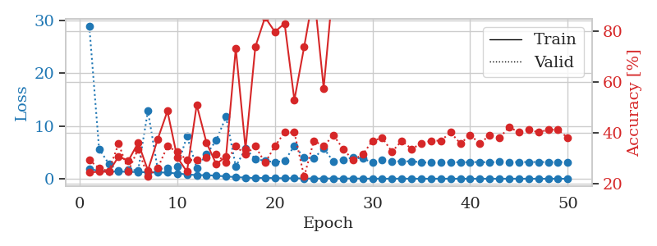
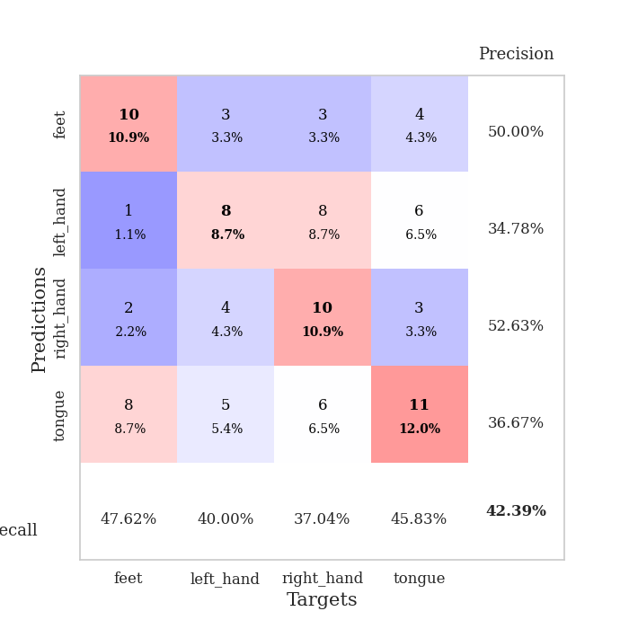
train_loss | valid_loss | train_accuracy | valid_accuracy | dur | train_misclass | valid_misclass
1.8309519343 | 28.841822168 | 0.24456521739 | 0.29347826087 | 1.1536743641 | 24.456521739 | 29.347826087
1.4923301158 | 5.6505873307 | 0.2472826087 | 0.26086956522 | 1.1471185684 | 24.72826087 | 26.086956522
1.3905181366 | 2.8220152129 | 0.2472826087 | 0.25 | 1.1494941711 | 24.72826087 | 25
1.3574383622 | 1.5679220272 | 0.30706521739 | 0.35869565217 | 1.1495299339 | 30.706521739 | 35.869565217
1.3176167659 | 1.7421696497 | 0.29076086957 | 0.25 | 1.1499717236 | 29.076086957 | 25
1.2519047727 | 1.5736415697 | 0.36141304348 | 0.33695652174 | 1.148876667 | 36.141304348 | 33.695652174
1.2387644882 | 12.838654684 | 0.2527173913 | 0.22826086957 | 1.1497235298 | 25.27173913 | 22.826086957
1.1954855401 | 1.8666549092 | 0.375 | 0.26086956522 | 1.1493155956 | 37.5 | 26.086956522
1.16645707 | 1.9796716493 | 0.48641304348 | 0.34782608696 | 1.1499397755 | 48.641304348 | 34.782608696
0.97927704324 | 2.2672952725 | 0.30434782609 | 0.32608695652 | 1.1501915455 | 30.434782609 | 32.608695652
0.83850116833 | 8.0226799923 | 0.2472826087 | 0.29347826087 | 1.1497988701 | 24.72826087 | 29.347826087
0.674191633 | 2.0855578391 | 0.51086956522 | 0.29347826087 | 1.150042057 | 51.086956522 | 29.347826087
0.6856197663 | 4.5954869934 | 0.36141304348 | 0.30434782609 | 1.1490223408 | 36.141304348 | 30.434782609
0.56857675314 | 7.2778009539 | 0.27717391304 | 0.3152173913 | 1.1494662762 | 27.717391304 | 31.52173913
0.44598804738 | 11.723074333 | 0.30706521739 | 0.28260869565 | 1.149538517 | 30.706521739 | 28.260869565
0.30363158428 | 2.3106724076 | 0.73369565217 | 0.34782608696 | 1.1495883465 | 73.369565217 | 34.782608696
0.2125727557 | 5.7145640954 | 0.33695652174 | 0.3152173913 | 1.1496019363 | 33.695652174 | 31.52173913
0.13680462588 | 3.7376505603 | 0.73913043478 | 0.34782608696 | 1.1488773823 | 73.913043478 | 34.782608696
0.17811057927 | 3.4089283529 | 0.85597826087 | 0.28260869565 | 1.1489365101 | 85.597826087 | 28.260869565
0.116211788 | 3.1182447827 | 0.79891304348 | 0.34782608696 | 1.1496362686 | 79.891304348 | 34.782608696
0.10364614378 | 3.3883641388 | 0.83152173913 | 0.40217391304 | 1.1496345997 | 83.152173913 | 40.217391304
0.088775797504 | 6.2189346396 | 0.52989130435 | 0.40217391304 | 1.1524195671 | 52.989130435 | 40.217391304
0.05321054853 | 4.0139680842 | 0.73913043478 | 0.22826086957 | 1.1496298313 | 73.913043478 | 22.826086957
0.041990641251 | 3.8678605246 | 0.95652173913 | 0.36956521739 | 1.1497001648 | 95.652173913 | 36.956521739
0.042733073245 | 5.7522597106 | 0.57608695652 | 0.34782608696 | 1.1507046223 | 57.608695652 | 34.782608696
0.051024606629 | 3.2719352453 | 0.99456521739 | 0.39130434783 | 1.150141716 | 99.456521739 | 39.130434783
0.019660314373 | 3.6294563128 | 0.94565217391 | 0.33695652174 | 1.1502323151 | 94.565217391 | 33.695652174
0.055142993462 | 3.9902343543 | 1 | 0.29347826087 | 1.1500189304 | 100 | 29.347826087
0.016729367765 | 3.834506719 | 0.9972826087 | 0.3152173913 | 1.1502790451 | 99.72826087 | 31.52173913
0.01792260392 | 3.0895430938 | 1 | 0.36956521739 | 1.1503107548 | 100 | 36.956521739
0.0073645162654 | 3.542297498 | 1 | 0.38043478261 | 1.1513128281 | 100 | 38.043478261
0.010471870703 | 3.3132145508 | 0.99456521739 | 0.32608695652 | 1.1509697437 | 99.456521739 | 32.608695652
0.022899578821 | 3.280481919 | 1 | 0.36956521739 | 1.1509058475 | 100 | 36.956521739
0.007440206081 | 3.3190540334 | 1 | 0.33695652174 | 1.1510407925 | 100 | 33.695652174
0.0064721592796 | 3.098921952 | 1 | 0.35869565217 | 1.1503555775 | 100 | 35.869565217
0.0026252077444 | 3.0461363067 | 1 | 0.36956521739 | 1.1508843899 | 100 | 36.956521739
0.0087582820877 | 3.0784541317 | 1 | 0.36956521739 | 1.1507873535 | 100 | 36.956521739
0.0060481649315 | 3.1591267482 | 1 | 0.40217391304 | 1.1512210369 | 100 | 40.217391304
0.0041341377124 | 3.1089281414 | 1 | 0.35869565217 | 1.1514279842 | 100 | 35.869565217
0.0025130952316 | 3.1480456228 | 1 | 0.39130434783 | 1.1519963741 | 100 | 39.130434783
0.0090220733432 | 3.1611848396 | 1 | 0.35869565217 | 1.1500794888 | 100 | 35.869565217
0.0025325089702 | 3.105520746 | 1 | 0.39130434783 | 1.1513371468 | 100 | 39.130434783
0.0015449736036 | 3.1817400041 | 1 | 0.38043478261 | 1.1502463818 | 100 | 38.043478261
0.003231393453 | 3.1399217585 | 1 | 0.42391304348 | 1.1515161991 | 100 | 42.391304348
0.0023842283509 | 3.1667475597 | 1 | 0.40217391304 | 1.1507806778 | 100 | 40.217391304
0.002210034961 | 3.157175147 | 1 | 0.41304347826 | 1.1501653194 | 100 | 41.304347826
0.0019401364533 | 3.1771556709 | 1 | 0.40217391304 | 1.1518161297 | 100 | 40.217391304
0.0020898936238 | 3.146509098 | 1 | 0.41304347826 | 1.1516962051 | 100 | 41.304347826
0.0027353530718 | 3.1634810489 | 1 | 0.41304347826 | 1.1522152424 | 100 | 41.304347826
0.0037000914694 | 3.1318581934 | 1 | 0.38043478261 | 1.1518418789 | 100 | 38.043478261

Best Val accuracy is 0.42391304347826086 and Best test accuracy is 0.3017241379310345

Sheet6
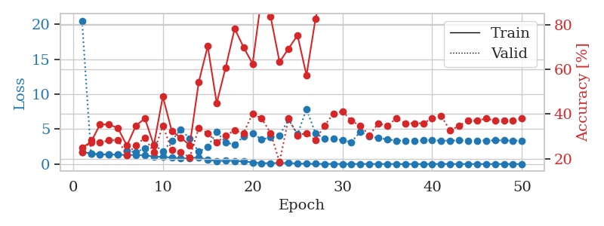
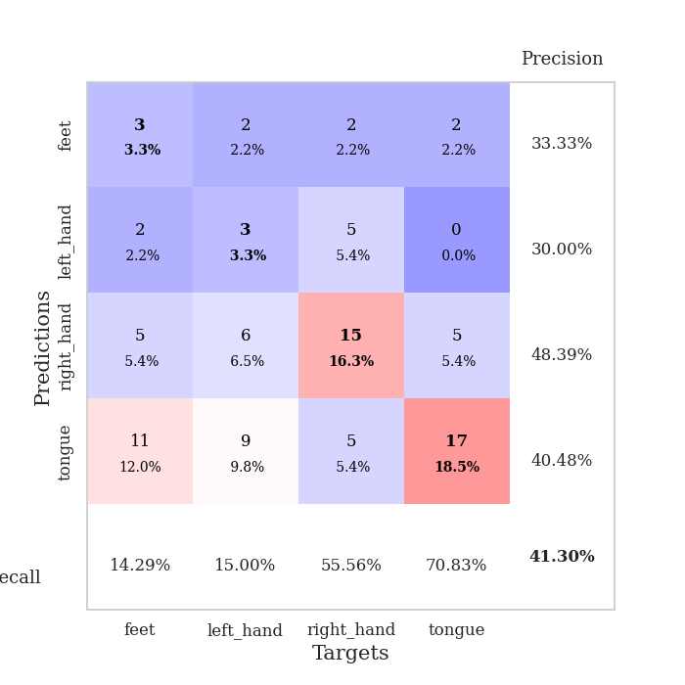
train_loss | valid_loss | train_accuracy | valid_accuracy | dur | train_misclass | valid_misclass
1.7456586983 | 20.494730162 | 0.25 | 0.22826086957 | 1.1509077549 | 25 | 22.826086957
1.4939956147 | 1.4399932623 | 0.27445652174 | 0.28260869565 | 1.1472635269 | 27.445652174 | 28.260869565
1.4018953572 | 1.3639051811 | 0.35326086957 | 0.27173913043 | 1.1488776207 | 35.326086957 | 27.173913043
1.3645965327 | 1.3384939847 | 0.35326086957 | 0.28260869565 | 1.1496622562 | 35.326086957 | 28.260869565
1.3288126458 | 1.419997065 | 0.33695652174 | 0.28260869565 | 1.1490178108 | 33.695652174 | 28.260869565
1.3084541352 | 1.8645451691 | 0.25815217391 | 0.21739130435 | 1.1490364075 | 25.815217391 | 21.739130435
1.2960445596 | 1.6973586704 | 0.34782608696 | 0.26086956522 | 1.1490437984 | 34.782608696 | 26.086956522
1.2660457621 | 2.2741840249 | 0.38043478261 | 0.29347826087 | 1.1489419937 | 38.043478261 | 29.347826087
1.0413252556 | 2.8018123689 | 0.26086956522 | 0.22826086957 | 1.1523759365 | 26.086956522 | 22.826086957
1.0392106979 | 1.7963283166 | 0.47826086957 | 0.34782608696 | 1.1491940022 | 47.826086957 | 34.782608696
0.91507456614 | 3.341262693 | 0.32336956522 | 0.23913043478 | 1.1499764919 | 32.336956522 | 23.913043478
0.79604632699 | 4.9755747007 | 0.29347826087 | 0.22826086957 | 1.1490712166 | 29.347826087 | 22.826086957
0.83903367753 | 3.6157613526 | 0.26086956522 | 0.20652173913 | 1.1492054462 | 26.086956522 | 20.652173913
0.96315893142 | 1.7634488137 | 0.54347826087 | 0.33695652174 | 1.1495831013 | 54.347826087 | 33.695652174
0.60484566637 | 2.4754224186 | 0.70380434783 | 0.3152173913 | 1.1490137577 | 70.380434783 | 31.52173913
0.41608243209 | 4.5567179555 | 0.44836956522 | 0.27173913043 | 1.1486155987 | 44.836956522 | 27.173913043
0.49096107094 | 3.1378063741 | 0.60869565217 | 0.30434782609 | 1.1490535736 | 60.869565217 | 30.434782609
0.44728710535 | 2.7241664555 | 0.78260869565 | 0.32608695652 | 1.1487696171 | 78.260869565 | 32.608695652
0.38031183799 | 3.9432018218 | 0.69836956522 | 0.3152173913 | 1.1490609646 | 69.836956522 | 31.52173913
0.23638228991 | 4.40632165 | 0.625 | 0.40217391304 | 1.1487941742 | 62.5 | 40.217391304
0.12250580023 | 3.5127779401 | 0.92663043478 | 0.38043478261 | 1.1506466866 | 92.663043478 | 38.043478261
0.12129947883 | 3.8313348708 | 0.83695652174 | 0.3152173913 | 1.1504387856 | 83.695652174 | 31.52173913
0.1487400054 | 4.0680291238 | 0.63315217391 | 0.1847826087 | 1.1511936188 | 63.315217391 | 18.47826087
0.1367708856 | 6.4067858509 | 0.69293478261 | 0.38043478261 | 1.1494457722 | 69.293478261 | 38.043478261
0.079155130089 | 4.2477912903 | 0.7527173913 | 0.30434782609 | 1.1500256062 | 75.27173913 | 30.434782609
0.032338481933 | 7.8595222805 | 0.57336956522 | 0.3152173913 | 1.1501877308 | 57.336956522 | 31.52173913
0.030350351519 | 4.4159680657 | 0.82608695652 | 0.28260869565 | 1.1500868797 | 82.608695652 | 28.260869565
0.02224756427 | 3.6225141339 | 1 | 0.34782608696 | 1.1499097347 | 100 | 34.782608696
0.023366509342 | 3.6093778092 | 1 | 0.40217391304 | 1.1501750946 | 100 | 40.217391304
0.01506805628 | 3.4111770443 | 1 | 0.41304347826 | 1.149107933 | 100 | 41.304347826
0.0056326675062 | 3.1400737192 | 1 | 0.36956521739 | 1.1492946148 | 100 | 36.956521739
0.018857922596 | 4.6224796876 | 0.97554347826 | 0.34782608696 | 1.1489617825 | 97.554347826 | 34.782608696
0.01662219003 | 3.9355610972 | 0.97826086957 | 0.30434782609 | 1.1501021385 | 97.826086957 | 30.434782609
0.0081236735265 | 3.7359687038 | 1 | 0.35869565217 | 1.1490960121 | 100 | 35.869565217
0.0077816474102 | 3.5176082072 | 1 | 0.34782608696 | 1.1508891582 | 100 | 34.782608696
0.0052707942396 | 3.3594525482 | 1 | 0.38043478261 | 1.150396347 | 100 | 38.043478261
0.0053675663949 | 3.3495308731 | 1 | 0.35869565217 | 1.1506950855 | 100 | 35.869565217
0.00431204363 | 3.3381820451 | 1 | 0.35869565217 | 1.1504750252 | 100 | 35.869565217
0.0025679197 | 3.3759241208 | 1 | 0.35869565217 | 1.1510181427 | 100 | 35.869565217
0.0066130730733 | 3.4080346149 | 1 | 0.38043478261 | 1.1506764889 | 100 | 38.043478261
0.01689710826 | 3.3304009541 | 1 | 0.39130434783 | 1.1515922546 | 100 | 39.130434783
0.012016427243 | 3.3520821177 | 1 | 0.32608695652 | 1.1513395309 | 100 | 32.608695652
0.0044638194326 | 3.3721404801 | 1 | 0.34782608696 | 1.1515667439 | 100 | 34.782608696
0.0025379560178 | 3.3304022499 | 1 | 0.36956521739 | 1.1511626244 | 100 | 36.956521739
0.003203547225 | 3.361807025 | 1 | 0.36956521739 | 1.1511805058 | 100 | 36.956521739
0.0032378122307 | 3.3658722276 | 1 | 0.38043478261 | 1.1517226696 | 100 | 38.043478261
0.0068553325729 | 3.3836642659 | 1 | 0.36956521739 | 1.1518080235 | 100 | 36.956521739
0.0028885463126 | 3.3810143782 | 1 | 0.36956521739 | 1.1513283253 | 100 | 36.956521739
0.0044487721177 | 3.3428493894 | 1 | 0.36956521739 | 1.1512475014 | 100 | 36.956521739
0.0037854177024 | 3.3446205077 | 1 | 0.38043478261 | 1.1512513161 | 100 | 38.043478261

Best Val accuracy is 0.41304347826086957 and Best test accuracy is 0.3275862068965517

Sheet7
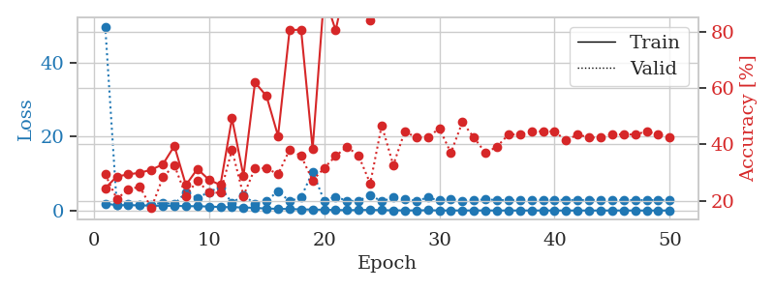
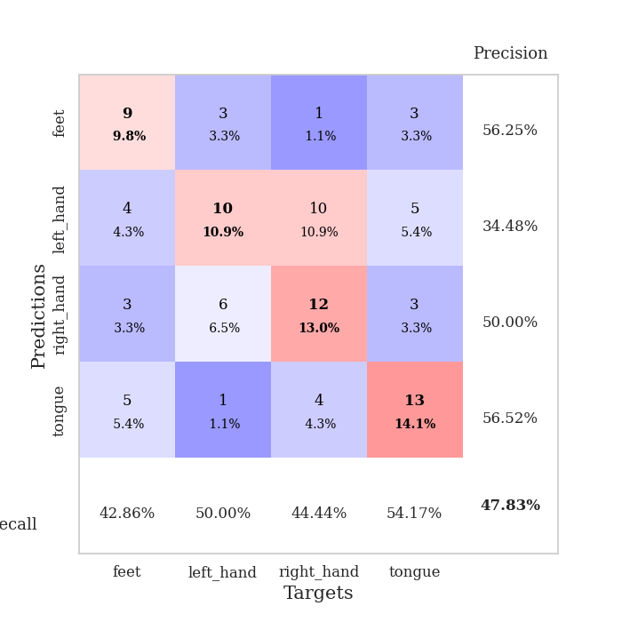
train_loss | valid_loss | train_accuracy | valid_accuracy | dur | train_misclass | valid_misclass
1.8318318543 | 49.751351398 | 0.24456521739 | 0.29347826087 | 1.1549789906 | 24.456521739 | 29.347826087
1.4655012462 | 1.5781917831 | 0.28532608696 | 0.20652173913 | 1.1490895748 | 28.532608696 | 20.652173913
1.411046137 | 1.7216318846 | 0.29347826087 | 0.23913043478 | 1.1487979889 | 29.347826087 | 23.913043478
1.4163911187 | 1.5774350322 | 0.29891304348 | 0.25 | 1.1489231586 | 29.891304348 | 25
1.2959230413 | 1.6129708705 | 0.3097826087 | 0.17391304348 | 1.1488351822 | 30.97826087 | 17.391304348
1.2696419591 | 2.1243389897 | 0.32880434783 | 0.28260869565 | 1.1489775181 | 32.880434783 | 28.260869565
1.2601051123 | 1.6934426764 | 0.39402173913 | 0.32608695652 | 1.1499958038 | 39.402173913 | 32.608695652
1.1772758313 | 4.9185012734 | 0.25543478261 | 0.21739130435 | 1.1498863697 | 25.543478261 | 21.739130435
1.1491652235 | 3.3294380022 | 0.3125 | 0.27173913043 | 1.1503500938 | 31.25 | 27.173913043
1.0777991103 | 5.026052786 | 0.27445652174 | 0.22826086957 | 1.1492533684 | 27.445652174 | 22.826086957
0.93704090689 | 6.3014424365 | 0.25543478261 | 0.22826086957 | 1.1506946087 | 25.543478261 | 22.826086957
0.89092540482 | 2.0795669193 | 0.49184782609 | 0.38043478261 | 1.1492333412 | 49.184782609 | 38.043478261
0.81559975121 | 4.0615907234 | 0.28804347826 | 0.21739130435 | 1.1515767574 | 28.804347826 | 21.739130435
0.71917550978 | 1.8308592102 | 0.61956521739 | 0.3152173913 | 1.1498668194 | 61.956521739 | 31.52173913
0.51658764093 | 2.6590773023 | 0.57065217391 | 0.3152173913 | 1.150011301 | 57.065217391 | 31.52173913
0.45811688058 | 5.2025586937 | 0.42934782609 | 0.29347826087 | 1.1493959427 | 42.934782609 | 29.347826087
0.3993079604 | 2.5151982826 | 0.80434782609 | 0.38043478261 | 1.1496081352 | 80.434782609 | 38.043478261
0.30523656471 | 3.536827077 | 0.80706521739 | 0.35869565217 | 1.1496944427 | 80.706521739 | 35.869565217
0.26486085177 | 10.50344349 | 0.38315217391 | 0.27173913043 | 1.1498522758 | 38.315217391 | 27.173913043
0.2040643556 | 2.6777099008 | 0.92934782609 | 0.3152173913 | 1.1499257088 | 92.934782609 | 31.52173913
0.1447991464 | 3.7234841533 | 0.80434782609 | 0.35869565217 | 1.1485316753 | 80.434782609 | 35.869565217
0.087958693828 | 2.5913723241 | 0.99184782609 | 0.39130434783 | 1.1492495537 | 99.184782609 | 39.130434783
0.13468468141 | 2.5982432987 | 0.96195652174 | 0.35869565217 | 1.1503548622 | 96.195652174 | 35.869565217
0.16841730208 | 4.1588844424 | 0.83967391304 | 0.26086956522 | 1.1500732899 | 83.967391304 | 26.086956522
0.10031980159 | 2.4667425156 | 0.99456521739 | 0.46739130435 | 1.1507043839 | 99.456521739 | 46.739130435
0.050891362131 | 3.4665546625 | 0.99184782609 | 0.32608695652 | 1.1513502598 | 99.184782609 | 32.608695652
0.036536616132 | 3.1810545818 | 1 | 0.44565217391 | 1.1490404606 | 100 | 44.565217391
0.030729969923 | 2.6009015104 | 1 | 0.42391304348 | 1.150346756 | 100 | 42.391304348
0.082370075944 | 3.4767684107 | 0.91847826087 | 0.42391304348 | 1.1497671604 | 91.847826087 | 42.391304348
0.021101911674 | 2.754938986 | 1 | 0.45652173913 | 1.1503129005 | 100 | 45.652173913
0.013273164422 | 3.0758661291 | 1 | 0.36956521739 | 1.1507363319 | 100 | 36.956521739
0.016348876859 | 2.6027865721 | 1 | 0.47826086957 | 1.1510741711 | 100 | 47.826086957
0.011181544067 | 2.8325746889 | 1 | 0.42391304348 | 1.1505944729 | 100 | 42.391304348
0.02391524167 | 2.9504882771 | 1 | 0.36956521739 | 1.1498417854 | 100 | 36.956521739
0.0078938135639 | 2.8622953062 | 1 | 0.39130434783 | 1.1510519981 | 100 | 39.130434783
0.012608926771 | 2.7227660366 | 1 | 0.4347826087 | 1.1510596275 | 100 | 43.47826087
0.0054604418515 | 2.8075485333 | 1 | 0.4347826087 | 1.1519889832 | 100 | 43.47826087
0.0093918757275 | 2.7856438886 | 1 | 0.44565217391 | 1.150526762 | 100 | 44.565217391
0.0066477244102 | 2.8442905364 | 1 | 0.44565217391 | 1.1512155533 | 100 | 44.565217391
0.0034690585731 | 2.8177619706 | 1 | 0.44565217391 | 1.150842905 | 100 | 44.565217391
0.0037316180811 | 2.8816251651 | 1 | 0.41304347826 | 1.1514656544 | 100 | 41.304347826
0.0056690226572 | 2.8014133391 | 1 | 0.4347826087 | 1.1510682106 | 100 | 43.47826087
0.0032868260801 | 2.8367510775 | 1 | 0.42391304348 | 1.1511929035 | 100 | 42.391304348
0.003222520081 | 2.9057563595 | 1 | 0.42391304348 | 1.1513082981 | 100 | 42.391304348
0.0092077786634 | 2.8016978969 | 1 | 0.4347826087 | 1.1515533924 | 100 | 43.47826087
0.0098549218028 | 2.8188840099 | 1 | 0.4347826087 | 1.1523201466 | 100 | 43.47826087
0.0030087942698 | 2.7825243266 | 1 | 0.4347826087 | 1.1519742012 | 100 | 43.47826087
0.0037175715577 | 2.8208136973 | 1 | 0.44565217391 | 1.152064085 | 100 | 44.565217391
0.0045619525987 | 2.812023111 | 1 | 0.4347826087 | 1.1518003941 | 100 | 43.47826087
0.013525770921 | 2.849781762 | 1 | 0.42391304348 | 1.1528086662 | 100 | 42.391304348

Best Val accuracy is 0.4782608695652174 and Best test accuracy is 0.3879310344827586

Sheet8
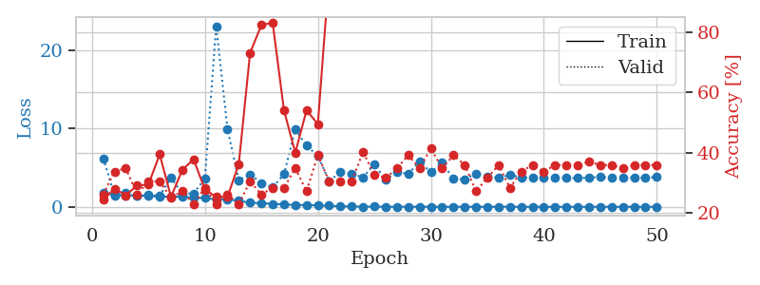
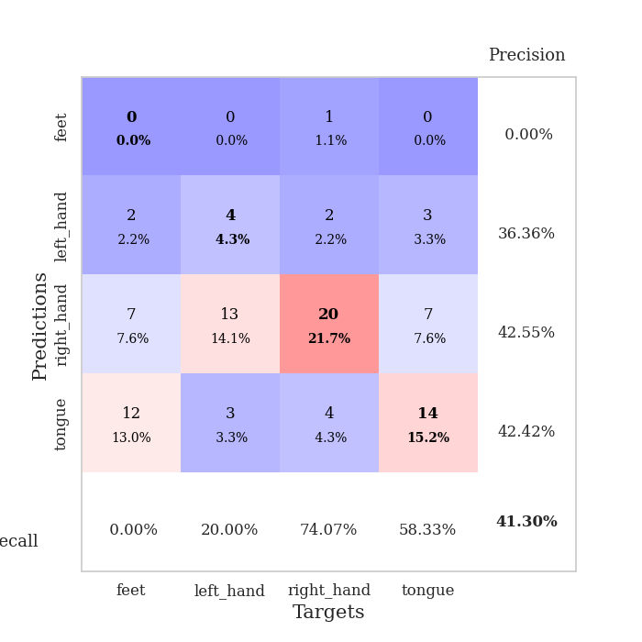
train_loss | valid_loss | train_accuracy | valid_accuracy | dur | train_misclass | valid_misclass
1.8062709725 | 6.1890443304 | 0.24456521739 | 0.26086956522 | 1.1509690285 | 24.456521739 | 26.086956522
1.4834389894 | 1.5069092408 | 0.27989130435 | 0.33695652174 | 1.1486105919 | 27.989130435 | 33.695652174
1.4800488586 | 1.8359926006 | 0.25815217391 | 0.34782608696 | 1.1489498615 | 25.815217391 | 34.782608696
1.4487874145 | 1.4181717997 | 0.29076086957 | 0.26086956522 | 1.1488831043 | 29.076086957 | 26.086956522
1.3916668063 | 1.5110451916 | 0.29347826087 | 0.30434782609 | 1.1491296291 | 29.347826087 | 30.434782609
1.3321052738 | 1.4080069117 | 0.39402173913 | 0.30434782609 | 1.149212122 | 39.402173913 | 30.434782609
1.278221913 | 3.7028712812 | 0.2527173913 | 0.25 | 1.1494143009 | 25.27173913 | 25
1.3102515988 | 1.6946933373 | 0.34239130435 | 0.27173913043 | 1.148750782 | 34.239130435 | 27.173913043
1.1719649771 | 1.7154635761 | 0.3777173913 | 0.22826086957 | 1.1496725082 | 37.77173913 | 22.826086957
1.1226924865 | 3.6052858933 | 0.27717391304 | 0.28260869565 | 1.1499640942 | 27.717391304 | 28.260869565
0.94942918809 | 23.037368526 | 0.2527173913 | 0.22826086957 | 1.1495733261 | 25.27173913 | 22.826086957
0.95504291161 | 9.9461889682 | 0.2527173913 | 0.26086956522 | 1.1496217251 | 25.27173913 | 26.086956522
0.77315445309 | 3.4024379668 | 0.36141304348 | 0.22826086957 | 1.1489758492 | 36.141304348 | 22.826086957
0.51824791017 | 4.144118423 | 0.73097826087 | 0.30434782609 | 1.1491427422 | 73.097826087 | 30.434782609
0.48339879578 | 3.0297762104 | 0.82336956522 | 0.26086956522 | 1.149987936 | 82.336956522 | 26.086956522
0.37997461402 | 2.4806990623 | 0.83152173913 | 0.28260869565 | 1.1496667862 | 83.152173913 | 28.260869565
0.32180686425 | 4.1581581572 | 0.54076086957 | 0.28260869565 | 1.1499080658 | 54.076086957 | 28.260869565
0.21733597504 | 9.8673091349 | 0.39945652174 | 0.34782608696 | 1.1492342949 | 39.945652174 | 34.782608696
0.24167735049 | 7.8055214675 | 0.54076086957 | 0.27173913043 | 1.149545908 | 54.076086957 | 27.173913043
0.18566032256 | 6.4982495723 | 0.49456521739 | 0.39130434783 | 1.1490857601 | 49.456521739 | 39.130434783
0.15668782244 | 3.295765939 | 0.99456521739 | 0.30434782609 | 1.151257515 | 99.456521739 | 30.434782609
0.070316674431 | 4.425413111 | 0.97282608696 | 0.30434782609 | 1.1504940987 | 97.282608696 | 30.434782609
0.054401142502 | 4.207728614 | 0.89945652174 | 0.30434782609 | 1.1510579586 | 89.945652174 | 30.434782609
0.024996242486 | 3.7659097754 | 0.89673913043 | 0.40217391304 | 1.1504745483 | 89.673913043 | 40.217391304
0.035490993329 | 5.4408432297 | 0.95652173913 | 0.32608695652 | 1.1522581577 | 95.652173913 | 32.608695652
0.015443476646 | 3.4338768669 | 1 | 0.3152173913 | 1.150696516 | 100 | 31.52173913
0.011355133363 | 4.5001867958 | 1 | 0.34782608696 | 1.1505222321 | 100 | 34.782608696
0.014555080161 | 4.1664520554 | 0.98641304348 | 0.39130434783 | 1.1512289047 | 98.641304348 | 39.130434783
0.019632664504 | 5.817208995 | 0.97826086957 | 0.34782608696 | 1.1510276794 | 97.826086957 | 34.782608696
0.018817740923 | 4.3979960525 | 0.97282608696 | 0.41304347826 | 1.1505925655 | 97.282608696 | 41.304347826
0.013106188985 | 5.6074953909 | 0.9972826087 | 0.34782608696 | 1.1505470276 | 99.72826087 | 34.782608696
0.007332096423 | 3.5849573923 | 1 | 0.39130434783 | 1.1504247189 | 100 | 39.130434783
0.0055105622134 | 3.4921089048 | 1 | 0.35869565217 | 1.1511850357 | 100 | 35.869565217
0.0086849910592 | 4.262652335 | 1 | 0.27173913043 | 1.151065588 | 100 | 27.173913043
0.0090811908113 | 3.8059601162 | 1 | 0.3152173913 | 1.1507732868 | 100 | 31.52173913
0.010952270504 | 3.7108816271 | 1 | 0.35869565217 | 1.1511609554 | 100 | 35.869565217
0.022898777386 | 4.0472633009 | 1 | 0.28260869565 | 1.1512749195 | 100 | 28.260869565
0.003582782641 | 3.7777766974 | 1 | 0.33695652174 | 1.150554657 | 100 | 33.695652174
0.0070374414664 | 3.7181560475 | 1 | 0.35869565217 | 1.1512453556 | 100 | 35.869565217
0.0052024352582 | 3.7503060673 | 1 | 0.33695652174 | 1.1518740654 | 100 | 33.695652174
0.0019701467549 | 3.7158276309 | 1 | 0.35869565217 | 1.1519126892 | 100 | 35.869565217
0.0026506767146 | 3.6668882785 | 1 | 0.35869565217 | 1.1513834 | 100 | 35.869565217
0.0022644503776 | 3.6680098617 | 1 | 0.35869565217 | 1.1518316269 | 100 | 35.869565217
0.0082209321807 | 3.7345420381 | 1 | 0.36956521739 | 1.151673317 | 100 | 36.956521739
0.012369023535 | 3.8104401257 | 1 | 0.35869565217 | 1.1521580219 | 100 | 35.869565217
0.0041764789468 | 3.7395539284 | 1 | 0.35869565217 | 1.1516268253 | 100 | 35.869565217
0.0024331630329 | 3.7597268353 | 1 | 0.34782608696 | 1.1520729065 | 100 | 34.782608696
0.0028594038702 | 3.7319605247 | 1 | 0.35869565217 | 1.1517932415 | 100 | 35.869565217
0.0056282249191 | 3.7301207625 | 1 | 0.35869565217 | 1.1520383358 | 100 | 35.869565217
0.0026089722321 | 3.7881442775 | 1 | 0.35869565217 | 1.1524584293 | 100 | 35.869565217

Best Val accuracy is 0.41304347826086957 and Best test accuracy is 0.3275862068965517

Sheet9
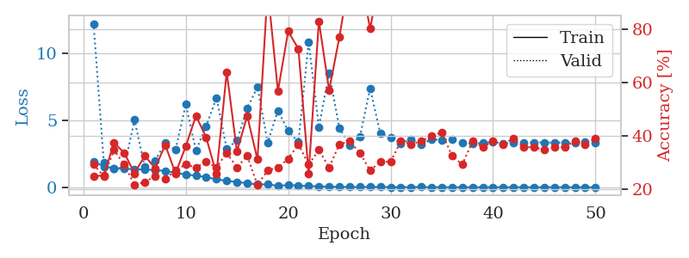
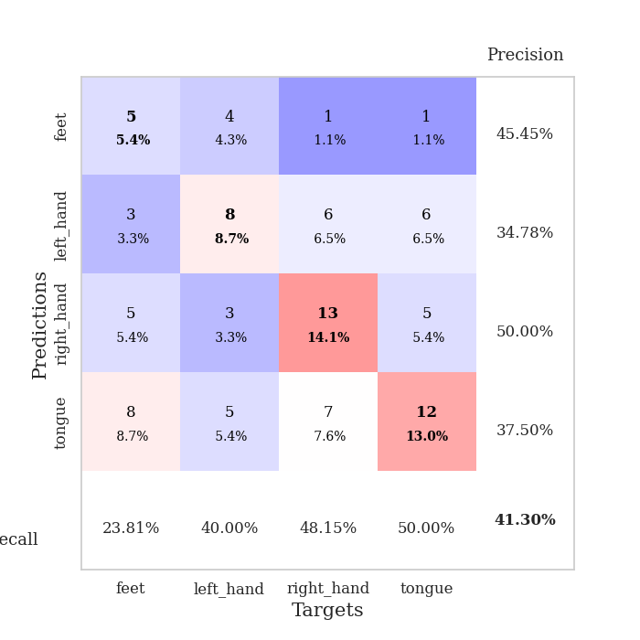
train_loss | valid_loss | train_accuracy | valid_accuracy | dur | train_misclass | valid_misclass
1.9278269695 | 12.182659688 | 0.25 | 0.29347826087 | 1.1522026062 | 25 | 29.347826087
1.5466874734 | 1.8185771185 | 0.2527173913 | 0.25 | 1.1499259472 | 25.27173913 | 25
1.4246107444 | 1.3705899767 | 0.375 | 0.34782608696 | 1.1493747234 | 37.5 | 34.782608696
1.3846075535 | 1.5079291748 | 0.33695652174 | 0.29347826087 | 1.1498734951 | 33.695652174 | 29.347826087
1.3438807363 | 5.0175777726 | 0.26086956522 | 0.21739130435 | 1.1493096352 | 26.086956522 | 21.739130435
1.3317604583 | 1.4932775757 | 0.32608695652 | 0.22826086957 | 1.1501374245 | 32.608695652 | 22.826086957
1.2707579654 | 1.9928909126 | 0.27989130435 | 0.25 | 1.150067091 | 27.989130435 | 25
1.2272783155 | 3.283932831 | 0.36684782609 | 0.23913043478 | 1.1501281261 | 36.684782609 | 23.913043478
1.0779606285 | 2.771454469 | 0.26086956522 | 0.27173913043 | 1.1504540443 | 26.086956522 | 27.173913043
0.95695463212 | 6.1656306516 | 0.36141304348 | 0.29347826087 | 1.1499481201 | 36.141304348 | 29.347826087
0.86824571309 | 2.7281168336 | 0.47554347826 | 0.28260869565 | 1.1503839493 | 47.554347826 | 28.260869565
0.74890661758 | 4.558580751 | 0.39402173913 | 0.30434782609 | 1.1507546902 | 39.402173913 | 30.434782609
0.59559838927 | 6.6712951038 | 0.25815217391 | 0.28260869565 | 1.1513717175 | 25.815217391 | 28.260869565
0.47803923488 | 2.8590685699 | 0.63858695652 | 0.33695652174 | 1.1503064632 | 63.858695652 | 33.695652174
0.3941423569 | 3.4844290381 | 0.34239130435 | 0.28260869565 | 1.151321888 | 34.239130435 | 28.260869565
0.30336875566 | 5.8738962878 | 0.47554347826 | 0.32608695652 | 1.1511509418 | 47.554347826 | 32.608695652
0.21039914971 | 7.4683057951 | 0.3125 | 0.21739130435 | 1.1521959305 | 31.25 | 21.739130435
0.21655243408 | 3.3408712408 | 0.94836956522 | 0.27173913043 | 1.1515600681 | 94.836956522 | 27.173913043
0.10302558776 | 5.7118225927 | 0.56793478261 | 0.28260869565 | 1.1510794163 | 56.793478261 | 28.260869565
0.1619893441 | 4.1941325768 | 0.79076086957 | 0.3152173913 | 1.1509418488 | 79.076086957 | 31.52173913
0.13425819519 | 3.3524115086 | 0.72554347826 | 0.36956521739 | 1.1513867378 | 72.554347826 | 36.956521739
0.088799417262 | 10.811562849 | 0.26086956522 | 0.29347826087 | 1.1527004242 | 26.086956522 | 29.347826087
0.071695077182 | 4.4820326308 | 0.82880434783 | 0.34782608696 | 1.1513166428 | 82.880434783 | 34.782608696
0.042622167425 | 8.5224282638 | 0.57065217391 | 0.28260869565 | 1.151134491 | 57.065217391 | 28.260869565
0.026722365656 | 4.4102145071 | 0.76902173913 | 0.36956521739 | 1.1506509781 | 76.902173913 | 36.956521739
0.021958934012 | 3.1492933501 | 1 | 0.38043478261 | 1.1517038345 | 100 | 38.043478261
0.020042753786 | 3.7480042706 | 1 | 0.33695652174 | 1.1524710655 | 100 | 33.695652174
0.026881697917 | 7.3661158603 | 0.80163043478 | 0.27173913043 | 1.1510028839 | 80.163043478 | 27.173913043
0.028941164046 | 3.9987282753 | 0.99456521739 | 0.30434782609 | 1.151226759 | 99.456521739 | 30.434782609
0.010609278597 | 3.7286181243 | 0.98097826087 | 0.30434782609 | 1.1511421204 | 98.097826087 | 30.434782609
0.0055427292625 | 3.275107477 | 1 | 0.38043478261 | 1.151150465 | 100 | 38.043478261
0.011912921514 | 3.5622579844 | 1 | 0.36956521739 | 1.1515481472 | 100 | 36.956521739
0.019177448964 | 3.1978346939 | 1 | 0.38043478261 | 1.1520142555 | 100 | 38.043478261
0.0089823055175 | 3.5746251293 | 1 | 0.40217391304 | 1.1512424946 | 100 | 40.217391304
0.0047075973226 | 3.5144222094 | 1 | 0.41304347826 | 1.1505687237 | 100 | 41.304347826
0.0041372134292 | 3.5477280409 | 1 | 0.32608695652 | 1.1507890224 | 100 | 32.608695652
0.0048561443792 | 3.3085477663 | 1 | 0.29347826087 | 1.1515107155 | 100 | 29.347826087
0.0052285292426 | 3.2654700072 | 1 | 0.38043478261 | 1.1503868103 | 100 | 38.043478261
0.0013068311044 | 3.2843154721 | 1 | 0.35869565217 | 1.1518058777 | 100 | 35.869565217
0.0025511984169 | 3.376733272 | 1 | 0.38043478261 | 1.1512646675 | 100 | 38.043478261
0.0014695902507 | 3.263980399 | 1 | 0.36956521739 | 1.1519796848 | 100 | 36.956521739
0.0030036540556 | 3.32282793 | 1 | 0.39130434783 | 1.1514306068 | 100 | 39.130434783
0.0039937764415 | 3.3307664394 | 1 | 0.35869565217 | 1.152971983 | 100 | 35.869565217
0.005647742466 | 3.3456099863 | 1 | 0.35869565217 | 1.1515982151 | 100 | 35.869565217
0.0022918516846 | 3.3408800519 | 1 | 0.34782608696 | 1.152367115 | 100 | 34.782608696
0.004674653485 | 3.3159258884 | 1 | 0.35869565217 | 1.1524586678 | 100 | 35.869565217
0.0017079163492 | 3.3419080092 | 1 | 0.35869565217 | 1.1521158218 | 100 | 35.869565217
0.0018800616618 | 3.3283090073 | 1 | 0.38043478261 | 1.1520555019 | 100 | 38.043478261
0.0022374149956 | 3.3670354926 | 1 | 0.36956521739 | 1.1521537304 | 100 | 36.956521739
0.0012404557299 | 3.3151917561 | 1 | 0.39130434783 | 1.15300107 | 100 | 39.130434783

Best Val accuracy is 0.41304347826086957 and Best test accuracy is 0.3620689655172414

Sheet10
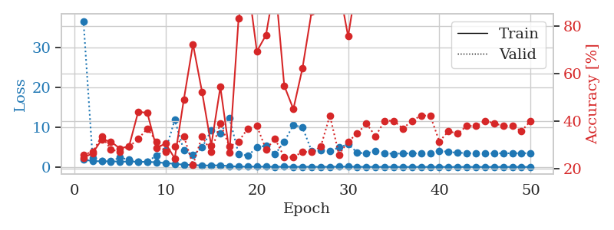
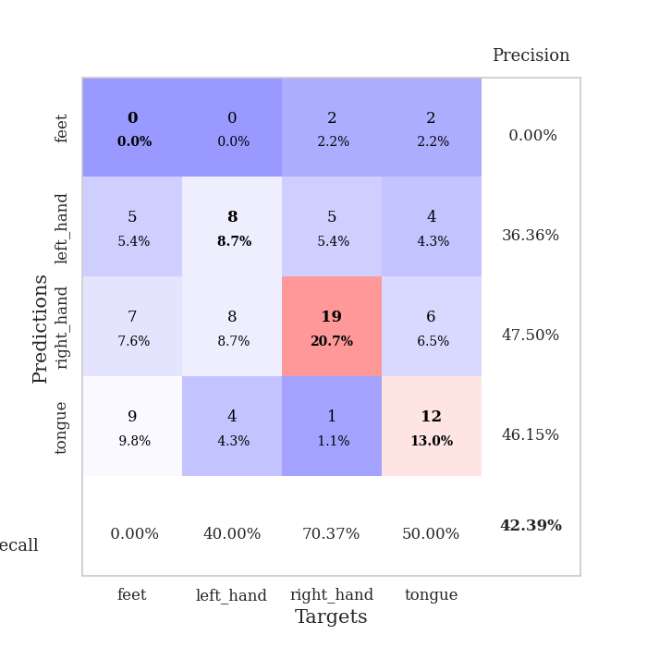
train_loss | valid_loss | train_accuracy | valid_accuracy | dur | train_misclass | valid_misclass
1.8376801273 | 36.575047203 | 0.2472826087 | 0.26086956522 | 1.1537430286 | 24.72826087 | 26.086956522
1.4854871242 | 2.3510324696 | 0.26630434783 | 0.27173913043 | 1.1488325596 | 26.630434783 | 27.173913043
1.4037754847 | 1.5833358713 | 0.32336956522 | 0.33695652174 | 1.1487221718 | 32.336956522 | 33.695652174
1.4229496044 | 1.3928168131 | 0.3152173913 | 0.28260869565 | 1.1485302448 | 31.52173913 | 28.260869565
1.3186313121 | 2.3801893773 | 0.28532608696 | 0.27173913043 | 1.1487386227 | 28.532608696 | 27.173913043
1.346453081 | 1.7816216479 | 0.29619565217 | 0.29347826087 | 1.1492483616 | 29.619565217 | 29.347826087
1.3161552937 | 1.3046534269 | 0.4402173913 | 0.32608695652 | 1.1511976719 | 44.02173913 | 32.608695652
1.2743937399 | 1.2881365496 | 0.4347826087 | 0.36956521739 | 1.1499259472 | 43.47826087 | 36.956521739
1.1808221288 | 2.8949593357 | 0.28804347826 | 0.3152173913 | 1.1491997242 | 28.804347826 | 31.52173913
0.96485722324 | 4.1349653368 | 0.30706521739 | 0.27173913043 | 1.1505737305 | 30.706521739 | 27.173913043
0.77512973288 | 11.780628785 | 0.24456521739 | 0.29347826087 | 1.150042057 | 24.456521739 | 29.347826087
0.57305594113 | 4.1456697816 | 0.49184782609 | 0.33695652174 | 1.1499087811 | 49.184782609 | 33.695652174
0.48841952954 | 2.9801111532 | 0.72282608696 | 0.21739130435 | 1.1506447792 | 72.282608696 | 21.739130435
0.36421567526 | 4.8712781201 | 0.52173913043 | 0.33695652174 | 1.1500716209 | 52.173913043 | 33.695652174
0.38495451601 | 9.1997210876 | 0.29891304348 | 0.27173913043 | 1.1508870125 | 29.891304348 | 27.173913043
0.39912818567 | 8.5001658564 | 0.54347826087 | 0.39130434783 | 1.1506223679 | 54.347826087 | 39.130434783
0.20405271034 | 12.2346888 | 0.26902173913 | 0.29347826087 | 1.151317358 | 26.902173913 | 29.347826087
0.0984089215 | 3.2769453733 | 0.83152173913 | 0.3152173913 | 1.1497995853 | 83.152173913 | 31.52173913
0.083152414927 | 2.8280599117 | 0.98641304348 | 0.36956521739 | 1.1513147354 | 98.641304348 | 36.956521739
0.091823956889 | 4.8642358676 | 0.69293478261 | 0.38043478261 | 1.1502115726 | 69.293478261 | 38.043478261
0.074863496156 | 5.3553242891 | 0.76086956522 | 0.28260869565 | 1.1509053707 | 76.086956522 | 28.260869565
0.045499188097 | 3.1742756159 | 0.98369565217 | 0.32608695652 | 1.1503808498 | 98.369565217 | 32.608695652
0.052471053847 | 6.3361406534 | 0.54891304348 | 0.25 | 1.150816679 | 54.891304348 | 25
0.035309760953 | 10.507263308 | 0.45108695652 | 0.25 | 1.1508083344 | 45.108695652 | 25
0.043332136337 | 9.9513171652 | 0.6222826087 | 0.27173913043 | 1.1513457298 | 62.22826087 | 27.173913043
0.031965403848 | 4.0163899297 | 0.85869565217 | 0.27173913043 | 1.1513860226 | 85.869565217 | 27.173913043
0.021169711395 | 4.1113731757 | 0.98369565217 | 0.29347826087 | 1.15147686 | 98.369565217 | 29.347826087
0.045790975281 | 3.9487043464 | 0.97826086957 | 0.42391304348 | 1.150822401 | 97.826086957 | 42.391304348
0.058920669292 | 4.8666498557 | 0.96195652174 | 0.26086956522 | 1.1519093513 | 96.195652174 | 26.086956522
0.094916541165 | 5.7117252972 | 0.75543478261 | 0.3152173913 | 1.1507329941 | 75.543478261 | 31.52173913
0.036041985813 | 3.6031434951 | 0.99184782609 | 0.34782608696 | 1.1503686905 | 99.184782609 | 34.782608696
0.022219517721 | 3.3783657551 | 1 | 0.39130434783 | 1.1507992744 | 100 | 39.130434783
0.013460792667 | 4.0577947575 | 1 | 0.33695652174 | 1.1512188911 | 100 | 33.695652174
0.014915944829 | 3.4096601839 | 1 | 0.40217391304 | 1.1509959698 | 100 | 40.217391304
0.0092628300709 | 3.3105855195 | 1 | 0.40217391304 | 1.1530857086 | 100 | 40.217391304
0.0022301613429 | 3.3957876641 | 1 | 0.36956521739 | 1.1518106461 | 100 | 36.956521739
0.0020946675491 | 3.3883794598 | 1 | 0.40217391304 | 1.1516211033 | 100 | 40.217391304
0.011247998311 | 3.4607682539 | 1 | 0.42391304348 | 1.151235342 | 100 | 42.391304348
0.0017414988451 | 3.4032223639 | 1 | 0.42391304348 | 1.1516599655 | 100 | 42.391304348
0.019352172461 | 4.0824769684 | 1 | 0.3152173913 | 1.1515336037 | 100 | 31.52173913
0.0033856953327 | 3.7303102431 | 1 | 0.35869565217 | 1.1506855488 | 100 | 35.869565217
0.0058875787527 | 3.5752402181 | 1 | 0.34782608696 | 1.1521258354 | 100 | 34.782608696
0.0079990148439 | 3.4578927393 | 1 | 0.38043478261 | 1.1509010792 | 100 | 38.043478261
0.0023668737938 | 3.4274282559 | 1 | 0.38043478261 | 1.1520428658 | 100 | 38.043478261
0.0043272857286 | 3.4196393075 | 1 | 0.40217391304 | 1.1511485577 | 100 | 40.217391304
0.0024866533387 | 3.410085844 | 1 | 0.39130434783 | 1.1527190208 | 100 | 39.130434783
0.0060466456299 | 3.4415890549 | 1 | 0.38043478261 | 1.151506424 | 100 | 38.043478261
0.0017323810329 | 3.4037775371 | 1 | 0.38043478261 | 1.1522791386 | 100 | 38.043478261
0.0025505600978 | 3.4912230865 | 1 | 0.35869565217 | 1.1518778801 | 100 | 35.869565217
0.0024065008126 | 3.3834702554 | 1 | 0.40217391304 | 1.1528761387 | 100 | 40.217391304

Best Val accuracy is 0.42391304347826086 and Best test accuracy is 0.35344827586206895

