Sheet
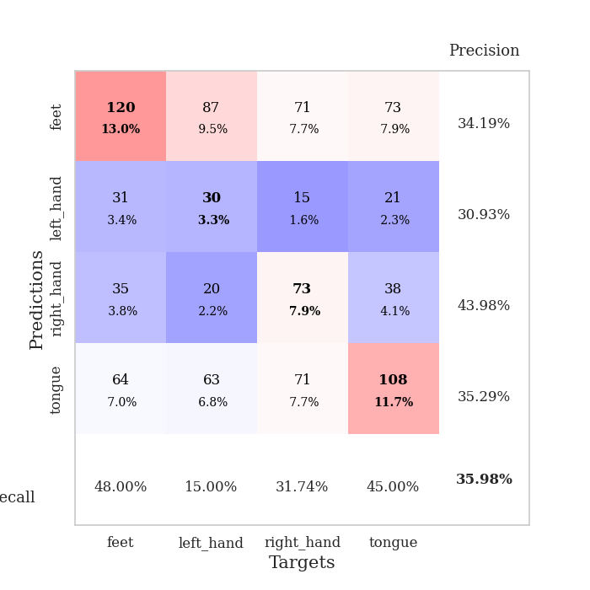
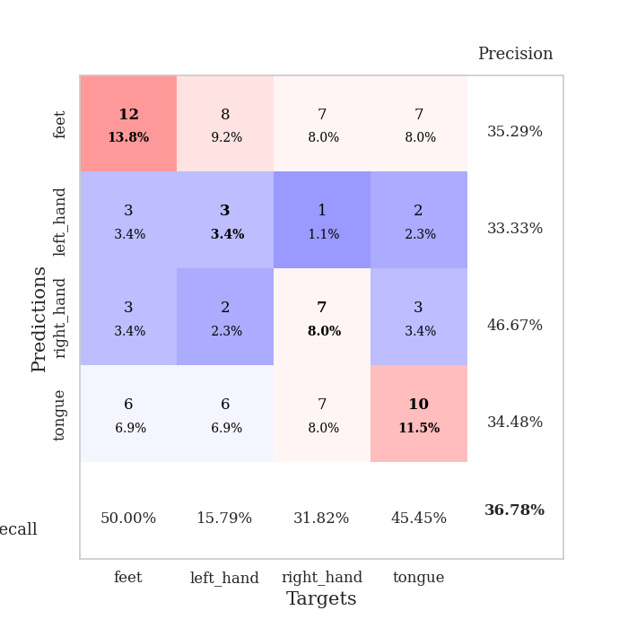
best_val_acc | best_val_los | best_test_acc
0.41304347826 | 1.4344474388 | 0.37931034483
0.36956521739 | 1.4083011306 | 0.30172413793
0.33695652174 | 1.3824597493 | 0.27586206897
0.36956521739 | 1.4407746118 | 0.23275862069
0.39130434783 | 1.4201608119 | 0.33620689655
0.32608695652 | 1.4071370208 | 0.26724137931
0.38043478261 | 1.4737566658 | 0.3275862069
0.32608695652 | 1.4326166226 | 0.25862068966
0.33695652174 | 1.4394335332 | 0.29310344828
0.34782608696 | 1.3968621752 | 0.31896551724

Mean,std Val accuracy is 0.35978260869565215 , 0.029634934850258744 and mean, std test accuracy is 0.2991379310344828 , 0.04301715499956776

Sheet1
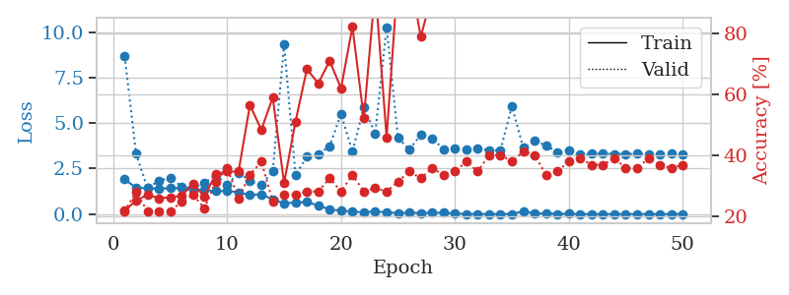
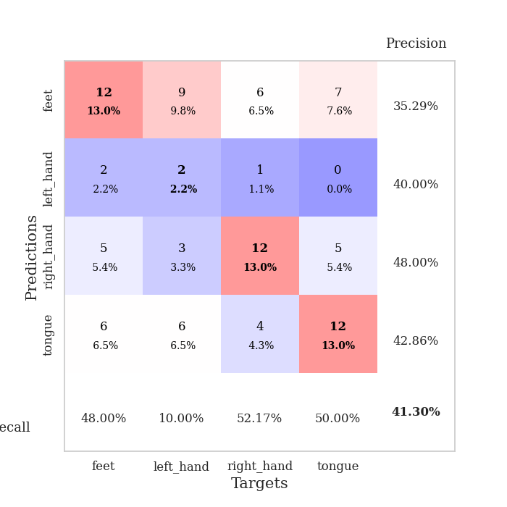
train_loss | valid_loss | train_accuracy | valid_accuracy | dur | train_misclass | valid_misclass
1.9189891245 | 8.6673506861 | 0.22010869565 | 0.21739130435 | 1.1553175449 | 22.010869565 | 21.739130435
1.4463942725 | 3.3115415677 | 0.2527173913 | 0.28260869565 | 1.148758173 | 25.27173913 | 28.260869565
1.4266291857 | 1.4344474388 | 0.27173913043 | 0.21739130435 | 1.1495051384 | 27.173913043 | 21.739130435
1.3933407431 | 1.8299340735 | 0.26086956522 | 0.21739130435 | 1.1497843266 | 26.086956522 | 21.739130435
1.4357617161 | 1.9927387756 | 0.26358695652 | 0.21739130435 | 1.1497032642 | 26.358695652 | 21.739130435
1.4316511413 | 1.5242318641 | 0.26902173913 | 0.25 | 1.1498913765 | 26.902173913 | 25
1.3622037587 | 1.4460646743 | 0.30706521739 | 0.27173913043 | 1.1496362686 | 30.706521739 | 27.173913043
1.3283104689 | 1.7050784723 | 0.26630434783 | 0.22826086957 | 1.1495592594 | 26.630434783 | 22.826086957
1.262049478 | 2.1608816644 | 0.33967391304 | 0.3152173913 | 1.149825573 | 33.967391304 | 31.52173913
1.2808818506 | 1.6071878931 | 0.34782608696 | 0.35869565217 | 1.1515090466 | 34.782608696 | 35.869565217
1.1981448117 | 2.2724744237 | 0.34782608696 | 0.26086956522 | 1.1499202251 | 34.782608696 | 26.086956522
1.0479618492 | 1.828005573 | 0.5652173913 | 0.33695652174 | 1.1507484913 | 56.52173913 | 33.695652174
1.0901298316 | 1.6104294062 | 0.48369565217 | 0.38043478261 | 1.1499798298 | 48.369565217 | 38.043478261
0.80963529841 | 2.3418046288 | 0.58967391304 | 0.25 | 1.1507883072 | 58.967391304 | 25
0.59825663204 | 9.3204511974 | 0.3097826087 | 0.27173913043 | 1.150277853 | 30.97826087 | 27.173913043
0.63059506209 | 2.129784667 | 0.51086956522 | 0.27173913043 | 1.1509840488 | 51.086956522 | 27.173913043
0.66615419284 | 3.1622118328 | 0.68206521739 | 0.28260869565 | 1.1499574184 | 68.206521739 | 28.260869565
0.47612431969 | 3.285307169 | 0.63586956522 | 0.28260869565 | 1.1509242058 | 63.586956522 | 28.260869565
0.25758239692 | 3.7365459774 | 0.70923913043 | 0.32608695652 | 1.1505999565 | 70.923913043 | 32.608695652
0.19063249635 | 5.4963209733 | 0.61956521739 | 0.28260869565 | 1.1508860588 | 61.956521739 | 28.260869565
0.13642986653 | 3.4212974673 | 0.82065217391 | 0.33695652174 | 1.1507549286 | 82.065217391 | 33.695652174
0.10172748736 | 5.8852024286 | 0.52173913043 | 0.28260869565 | 1.1520311832 | 52.173913043 | 28.260869565
0.14885029853 | 4.4247196446 | 0.94836956522 | 0.29347826087 | 1.1509137154 | 94.836956522 | 29.347826087
0.099796817517 | 10.274158519 | 0.45923913043 | 0.28260869565 | 1.1516592503 | 45.923913043 | 28.260869565
0.066956973797 | 4.1992114316 | 0.98641304348 | 0.3152173913 | 1.1518268585 | 98.641304348 | 31.52173913
0.081729688722 | 3.5417357942 | 0.99456521739 | 0.34782608696 | 1.151756525 | 99.456521739 | 34.782608696
0.06449721049 | 4.3619439291 | 0.78804347826 | 0.32608695652 | 1.1513111591 | 78.804347826 | 32.608695652
0.082426423784 | 4.1726417127 | 0.92663043478 | 0.35869565217 | 1.1520488262 | 92.663043478 | 35.869565217
0.071490350706 | 3.556641475 | 1 | 0.33695652174 | 1.1509656906 | 100 | 33.695652174
0.034951021925 | 3.6121705926 | 1 | 0.34782608696 | 1.1520900726 | 100 | 34.782608696
0.013922120161 | 3.5684867942 | 1 | 0.38043478261 | 1.1513466835 | 100 | 38.043478261
0.0090905470551 | 3.6074982519 | 1 | 0.34782608696 | 1.1517105103 | 100 | 34.782608696
0.0085890724465 | 3.5152105559 | 1 | 0.40217391304 | 1.1505916119 | 100 | 40.217391304
0.010684868053 | 3.509194996 | 1 | 0.40217391304 | 1.1512069702 | 100 | 40.217391304
0.009439207983 | 5.9348309351 | 0.97010869565 | 0.38043478261 | 1.1518368721 | 97.010869565 | 38.043478261
0.15340790919 | 3.6452181339 | 0.99456521739 | 0.41304347826 | 1.1510648727 | 99.456521739 | 41.304347826
0.042236258058 | 4.0118097119 | 0.97282608696 | 0.40217391304 | 1.1509242058 | 97.282608696 | 40.217391304
0.039483286648 | 3.7823114602 | 1 | 0.33695652174 | 1.150790453 | 100 | 33.695652174
0.014493265997 | 3.3875836497 | 1 | 0.34782608696 | 1.1505801678 | 100 | 34.782608696
0.021125341877 | 3.4782138078 | 1 | 0.38043478261 | 1.1520397663 | 100 | 38.043478261
0.0070980224131 | 3.2554854621 | 1 | 0.39130434783 | 1.1515796185 | 100 | 39.130434783
0.0076059814234 | 3.3213383944 | 1 | 0.36956521739 | 1.1513710022 | 100 | 36.956521739
0.002897586924 | 3.3234189179 | 1 | 0.36956521739 | 1.151501894 | 100 | 36.956521739
0.013175794851 | 3.3077202258 | 1 | 0.39130434783 | 1.1520297527 | 100 | 39.130434783
0.0046771351177 | 3.3064294587 | 1 | 0.35869565217 | 1.1516022682 | 100 | 35.869565217
0.0078275165136 | 3.3174967455 | 1 | 0.35869565217 | 1.1508481503 | 100 | 35.869565217
0.0055223402729 | 3.3011642124 | 1 | 0.39130434783 | 1.1525974274 | 100 | 39.130434783
0.0077517283574 | 3.3068712172 | 1 | 0.36956521739 | 1.1512489319 | 100 | 36.956521739
0.0077779429405 | 3.314918487 | 1 | 0.35869565217 | 1.15269804 | 100 | 35.869565217
0.012574348553 | 3.3091490787 | 1 | 0.36956521739 | 1.1514236927 | 100 | 36.956521739

Best Val accuracy is 0.41304347826086957 and Best test accuracy is 0.3793103448275862

Sheet2
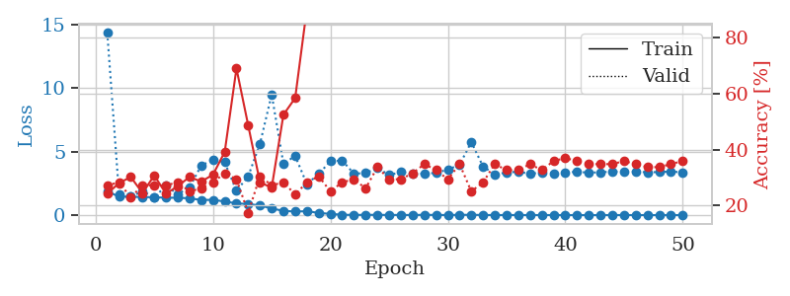
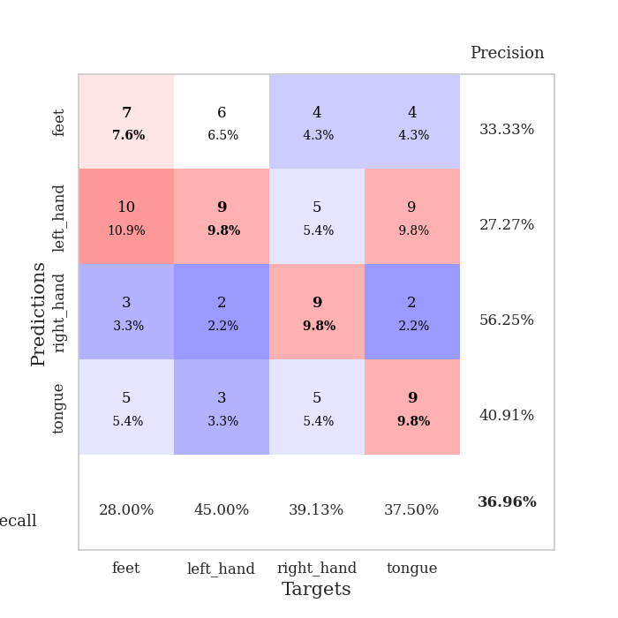
train_loss | valid_loss | train_accuracy | valid_accuracy | dur | train_misclass | valid_misclass
1.8736697332 | 14.344932929 | 0.24184782609 | 0.27173913043 | 1.1503727436 | 24.184782609 | 27.173913043
1.4560722164 | 1.6604233566 | 0.27989130435 | 0.28260869565 | 1.1493048668 | 27.989130435 | 28.260869565
1.4494400024 | 1.4463014033 | 0.30163043478 | 0.22826086957 | 1.1491863728 | 30.163043478 | 22.826086957
1.4209378854 | 1.880710835 | 0.24456521739 | 0.27173913043 | 1.1504328251 | 24.456521739 | 27.173913043
1.4080005418 | 1.4083011306 | 0.30706521739 | 0.27173913043 | 1.1493256092 | 30.706521739 | 27.173913043
1.3679096751 | 2.3015467706 | 0.24184782609 | 0.27173913043 | 1.1494109631 | 24.184782609 | 27.173913043
1.3677391747 | 1.6603880706 | 0.26902173913 | 0.28260869565 | 1.1496207714 | 26.902173913 | 28.260869565
1.3246530294 | 2.1783731917 | 0.30163043478 | 0.25 | 1.1494984627 | 30.163043478 | 25
1.1937071655 | 3.8970547033 | 0.28532608696 | 0.26086956522 | 1.1497170925 | 28.532608696 | 26.086956522
1.2014420136 | 4.3656142898 | 0.3097826087 | 0.28260869565 | 1.1498024464 | 30.97826087 | 28.260869565
1.0732992447 | 4.1606172479 | 0.39130434783 | 0.3152173913 | 1.1504001617 | 39.130434783 | 31.52173913
0.92579573134 | 1.916331654 | 0.6902173913 | 0.29347826087 | 1.1515996456 | 69.02173913 | 29.347826087
0.87131793214 | 3.0545549496 | 0.48641304348 | 0.17391304348 | 1.1498839855 | 48.641304348 | 17.391304348
0.76017560648 | 5.6005825996 | 0.28260869565 | 0.30434782609 | 1.1509103775 | 28.260869565 | 30.434782609
0.52041550045 | 9.4967733881 | 0.26358695652 | 0.27173913043 | 1.1502857208 | 26.358695652 | 27.173913043
0.33705815057 | 4.0386373789 | 0.52445652174 | 0.28260869565 | 1.1511218548 | 52.445652174 | 28.260869565
0.28279054035 | 4.6593510379 | 0.58423913043 | 0.23913043478 | 1.1509749889 | 58.423913043 | 23.913043478
0.30773041818 | 2.4361095947 | 0.90489130435 | 0.28260869565 | 1.151216507 | 90.489130435 | 28.260869565
0.17436771678 | 3.2414873476 | 0.96467391304 | 0.30434782609 | 1.151314497 | 96.467391304 | 30.434782609
0.096597687868 | 4.2393607471 | 0.94565217391 | 0.25 | 1.1506850719 | 94.565217391 | 25
0.027936899549 | 4.3023413575 | 0.98097826087 | 0.28260869565 | 1.15015769 | 98.097826087 | 28.260869565
0.012888951035 | 3.2675450366 | 1 | 0.29347826087 | 1.1517333984 | 100 | 29.347826087
0.021136963102 | 3.3043922445 | 1 | 0.26086956522 | 1.1509666443 | 100 | 26.086956522
0.019482387453 | 3.7052498693 | 0.98913043478 | 0.33695652174 | 1.1518673897 | 98.913043478 | 33.695652174
0.010859693421 | 3.1685277172 | 1 | 0.29347826087 | 1.15071702 | 100 | 29.347826087
0.012806852639 | 3.3815261177 | 1 | 0.29347826087 | 1.1505291462 | 100 | 29.347826087
0.0067317197352 | 3.2676813602 | 1 | 0.3152173913 | 1.1506454945 | 100 | 31.52173913
0.0210108257 | 3.2607847504 | 1 | 0.34782608696 | 1.1506831646 | 100 | 34.782608696
0.011895059535 | 3.3275263102 | 1 | 0.32608695652 | 1.1509048939 | 100 | 32.608695652
0.0052833880966 | 3.5816115711 | 1 | 0.29347826087 | 1.1506268978 | 100 | 29.347826087
0.019013485301 | 3.9623792897 | 1 | 0.34782608696 | 1.1516056061 | 100 | 34.782608696
0.02312867948 | 5.7577570418 | 0.88043478261 | 0.25 | 1.1513814926 | 88.043478261 | 25
0.0082698395981 | 3.8160256718 | 1 | 0.28260869565 | 1.1521396637 | 100 | 28.260869565
0.0027770446955 | 3.221814083 | 1 | 0.34782608696 | 1.151216507 | 100 | 34.782608696
0.0046011639782 | 3.3462717637 | 1 | 0.32608695652 | 1.1516597271 | 100 | 32.608695652
0.0063430719576 | 3.4248032674 | 1 | 0.32608695652 | 1.1513767242 | 100 | 32.608695652
0.0028351734825 | 3.2451858002 | 1 | 0.34782608696 | 1.1516656876 | 100 | 34.782608696
0.0034005788785 | 3.3712106891 | 1 | 0.32608695652 | 1.1519243717 | 100 | 32.608695652
0.0035482811977 | 3.2952112633 | 1 | 0.35869565217 | 1.1518955231 | 100 | 35.869565217
0.00232704269 | 3.3727272904 | 1 | 0.36956521739 | 1.1504034996 | 100 | 36.956521739
0.001491312216 | 3.4048908897 | 1 | 0.35869565217 | 1.1508874893 | 100 | 35.869565217
0.0015922903751 | 3.3501872602 | 1 | 0.34782608696 | 1.1503572464 | 100 | 34.782608696
0.0019427936052 | 3.3682850133 | 1 | 0.34782608696 | 1.1505784988 | 100 | 34.782608696
0.0032646748485 | 3.4364388611 | 1 | 0.34782608696 | 1.1508295536 | 100 | 34.782608696
0.0037749181305 | 3.4143607409 | 1 | 0.35869565217 | 1.1504278183 | 100 | 35.869565217
0.0018916883773 | 3.4290830363 | 1 | 0.34782608696 | 1.1512954235 | 100 | 34.782608696
0.001184532515 | 3.3684299407 | 1 | 0.33695652174 | 1.1512508392 | 100 | 33.695652174
0.0013748827263 | 3.3957259862 | 1 | 0.33695652174 | 1.1508135796 | 100 | 33.695652174
0.002470088204 | 3.4268702113 | 1 | 0.34782608696 | 1.152261734 | 100 | 34.782608696
0.0016426984496 | 3.3752638672 | 1 | 0.35869565217 | 1.1511905193 | 100 | 35.869565217

Best Val accuracy is 0.3695652173913043 and Best test accuracy is 0.3017241379310345

Sheet3
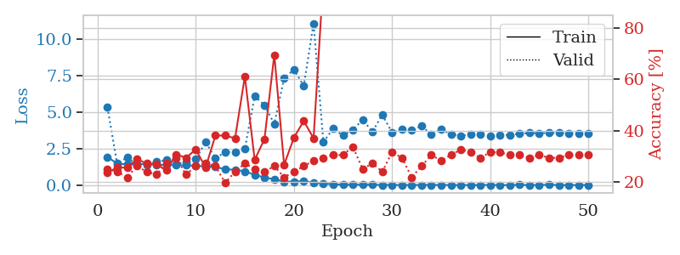
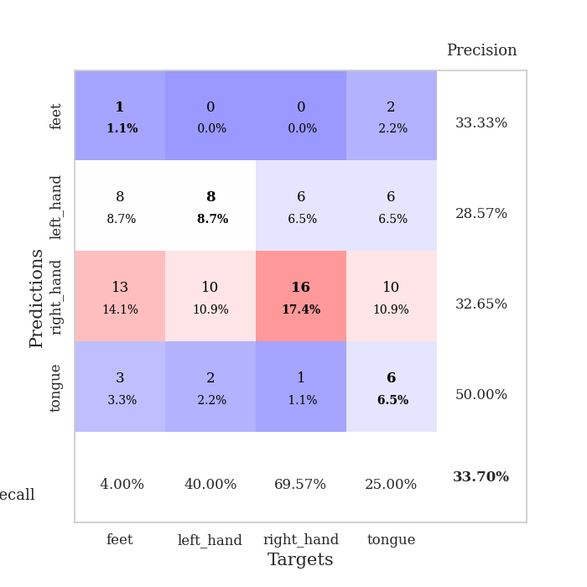
train_loss | valid_loss | train_accuracy | valid_accuracy | dur | train_misclass | valid_misclass
1.9228715689 | 5.3310071489 | 0.23641304348 | 0.25 | 1.1510396004 | 23.641304348 | 25
1.4791578003 | 1.4137256094 | 0.25543478261 | 0.23913043478 | 1.1472382545 | 25.543478261 | 23.913043478
1.4245486415 | 1.9143971982 | 0.25543478261 | 0.21739130435 | 1.1490075588 | 25.543478261 | 21.739130435
1.4375641035 | 1.3840898586 | 0.28804347826 | 0.26086956522 | 1.1484994888 | 28.804347826 | 26.086956522
1.4581825785 | 1.3824597493 | 0.27173913043 | 0.23913043478 | 1.1497476101 | 27.173913043 | 23.913043478
1.3909856651 | 1.5970030712 | 0.26902173913 | 0.22826086957 | 1.149528265 | 26.902173913 | 22.826086957
1.3856075484 | 1.7095083931 | 0.24456521739 | 0.27173913043 | 1.1500983238 | 24.456521739 | 27.173913043
1.3684621583 | 1.4548551103 | 0.30706521739 | 0.29347826087 | 1.1519207954 | 30.706521739 | 29.347826087
1.3603549107 | 1.5849863343 | 0.29347826087 | 0.22826086957 | 1.1481056213 | 29.347826087 | 22.826086957
1.3349074073 | 1.7748359027 | 0.32608695652 | 0.26086956522 | 1.1492183208 | 32.608695652 | 26.086956522
1.2695386617 | 2.9623652126 | 0.25543478261 | 0.27173913043 | 1.1498625278 | 25.543478261 | 27.173913043
1.2527267777 | 1.8399145966 | 0.38043478261 | 0.26086956522 | 1.1497516632 | 38.043478261 | 26.086956522
1.0782079982 | 2.2729545676 | 0.38043478261 | 0.19565217391 | 1.1502974033 | 38.043478261 | 19.565217391
1.0577819684 | 2.263086008 | 0.36956521739 | 0.23913043478 | 1.1501040459 | 36.956521739 | 23.913043478
0.9449556133 | 2.4953837187 | 0.61141304348 | 0.27173913043 | 1.1501824856 | 61.141304348 | 27.173913043
0.71155400121 | 6.10824218 | 0.28532608696 | 0.25 | 1.1499979496 | 28.532608696 | 25
0.51986667643 | 5.4844378803 | 0.36684782609 | 0.23913043478 | 1.1500515938 | 36.684782609 | 23.913043478
0.40630498626 | 4.1986697238 | 0.69565217391 | 0.26086956522 | 1.1498131752 | 69.565217391 | 26.086956522
0.24441958122 | 7.3396530566 | 0.26630434783 | 0.21739130435 | 1.1493625641 | 26.630434783 | 21.739130435
0.24095897409 | 7.9212936111 | 0.3722826087 | 0.23913043478 | 1.1504917145 | 37.22826087 | 23.913043478
0.27428186944 | 6.8108200612 | 0.4375 | 0.26086956522 | 1.1500794888 | 43.75 | 26.086956522
0.16887735535 | 11.093998411 | 0.36956521739 | 0.28260869565 | 1.1494982243 | 36.956521739 | 28.260869565
0.11092458098 | 2.9596927892 | 0.99456521739 | 0.29347826087 | 1.1496691704 | 99.456521739 | 29.347826087
0.054205663239 | 3.8730734742 | 0.97282608696 | 0.30434782609 | 1.1493244171 | 97.282608696 | 30.434782609
0.032392186052 | 3.4028283824 | 0.98097826087 | 0.30434782609 | 1.1512937546 | 98.097826087 | 30.434782609
0.020752702617 | 3.7938473536 | 0.95108695652 | 0.33695652174 | 1.1500756741 | 95.108695652 | 33.695652174
0.035920968664 | 4.4854749804 | 0.98097826087 | 0.25 | 1.1533434391 | 98.097826087 | 25
0.018854171387 | 3.6612480412 | 1 | 0.27173913043 | 1.1493256092 | 100 | 27.173913043
0.01503490898 | 4.8280850079 | 0.97554347826 | 0.23913043478 | 1.1498055458 | 97.554347826 | 23.913043478
0.013543111153 | 3.6071983628 | 1 | 0.3152173913 | 1.1501920223 | 100 | 31.52173913
0.0079021220748 | 3.8104747275 | 1 | 0.29347826087 | 1.1502633095 | 100 | 29.347826087
0.0083869705344 | 3.7706052531 | 1 | 0.21739130435 | 1.1499145031 | 100 | 21.739130435
0.011553415646 | 4.043223153 | 1 | 0.26086956522 | 1.1502695084 | 100 | 26.086956522
0.012478707058 | 3.4833117568 | 1 | 0.30434782609 | 1.1500937939 | 100 | 30.434782609
0.010140351244 | 3.8067098079 | 1 | 0.28260869565 | 1.1507775784 | 100 | 28.260869565
0.003663337227 | 3.4931809384 | 1 | 0.30434782609 | 1.1513068676 | 100 | 30.434782609
0.0034338140711 | 3.3926928043 | 1 | 0.32608695652 | 1.150765419 | 100 | 32.608695652
0.0021971567735 | 3.4618742155 | 1 | 0.3152173913 | 1.1507534981 | 100 | 31.52173913
0.005733313025 | 3.4850662066 | 1 | 0.29347826087 | 1.1512167454 | 100 | 29.347826087
0.011166918085 | 3.3687597254 | 1 | 0.3152173913 | 1.1504647732 | 100 | 31.52173913
0.0028377432789 | 3.4257416207 | 1 | 0.3152173913 | 1.1518652439 | 100 | 31.52173913
0.0019430494386 | 3.4421264503 | 1 | 0.30434782609 | 1.1512846947 | 100 | 30.434782609
0.017556668434 | 3.5238652437 | 1 | 0.30434782609 | 1.1513636112 | 100 | 30.434782609
0.0017777475966 | 3.5762355017 | 1 | 0.29347826087 | 1.151832819 | 100 | 29.347826087
0.0095947213451 | 3.5644812999 | 1 | 0.30434782609 | 1.1512703896 | 100 | 30.434782609
0.016665252846 | 3.5742774424 | 1 | 0.29347826087 | 1.1517255306 | 100 | 29.347826087
0.0045291797325 | 3.5941153402 | 1 | 0.29347826087 | 1.1518013477 | 100 | 29.347826087
0.0014723456179 | 3.5460231201 | 1 | 0.30434782609 | 1.1514115334 | 100 | 30.434782609
0.0031387817976 | 3.5207458164 | 1 | 0.30434782609 | 1.151740551 | 100 | 30.434782609
0.0065969013379 | 3.518050795 | 1 | 0.30434782609 | 1.1512424946 | 100 | 30.434782609

Best Val accuracy is 0.33695652173913043 and Best test accuracy is 0.27586206896551724

Sheet4
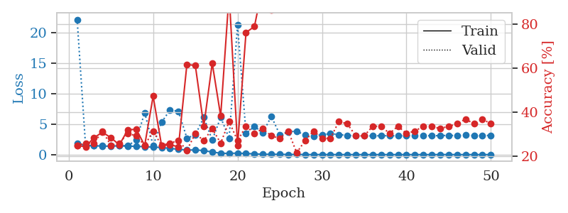
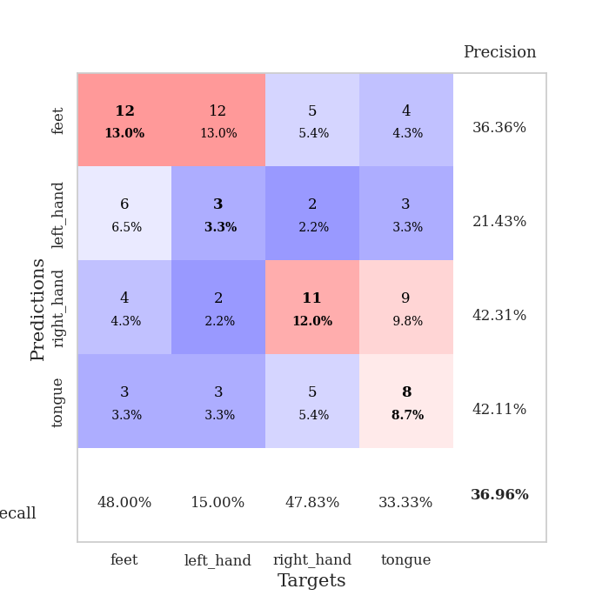
train_loss | valid_loss | train_accuracy | valid_accuracy | dur | train_misclass | valid_misclass
1.8966569901 | 22.213801343 | 0.25 | 0.25 | 1.1516125202 | 25 | 25
1.487729933 | 1.4409220374 | 0.24456521739 | 0.26086956522 | 1.1489858627 | 24.456521739 | 26.086956522
1.4812198929 | 1.4408087523 | 0.28532608696 | 0.26086956522 | 1.1494922638 | 28.532608696 | 26.086956522
1.3853423336 | 1.462189239 | 0.3097826087 | 0.3152173913 | 1.149107933 | 30.97826087 | 31.52173913
1.3977136871 | 1.4514223026 | 0.28532608696 | 0.25 | 1.150226593 | 28.532608696 | 25
1.4441338363 | 1.4407746118 | 0.2527173913 | 0.26086956522 | 1.1520302296 | 25.27173913 | 26.086956522
1.396650418 | 1.4729777989 | 0.32065217391 | 0.30434782609 | 1.1488757133 | 32.065217391 | 30.434782609
1.3504299081 | 2.3676120095 | 0.32336956522 | 0.29347826087 | 1.1491465569 | 32.336956522 | 29.347826087
1.3035515132 | 6.9076881616 | 0.25 | 0.25 | 1.1497187614 | 25 | 25
1.2196261053 | 1.4778509347 | 0.47282608696 | 0.3152173913 | 1.1494495869 | 47.282608696 | 31.52173913
1.1813846593 | 5.3080756353 | 0.25 | 0.25 | 1.1499085426 | 25 | 25
1.0200784025 | 7.343194775 | 0.2527173913 | 0.26086956522 | 1.1499905586 | 25.27173913 | 26.086956522
0.87671386936 | 7.1366310742 | 0.24456521739 | 0.27173913043 | 1.1503930092 | 24.456521739 | 27.173913043
0.7431789533 | 2.7095032568 | 0.61684782609 | 0.22826086957 | 1.1500766277 | 61.684782609 | 22.826086957
0.77664311165 | 3.2541233249 | 0.61141304348 | 0.30434782609 | 1.150121212 | 61.141304348 | 30.434782609
0.65653088041 | 6.1265248838 | 0.33695652174 | 0.27173913043 | 1.1504724026 | 33.695652174 | 27.173913043
0.42429334508 | 2.3842700979 | 0.6222826087 | 0.32608695652 | 1.1507349014 | 62.22826087 | 32.608695652
0.22530714228 | 6.1290487414 | 0.38315217391 | 0.26086956522 | 1.1506865025 | 38.315217391 | 26.086956522
0.1979531317 | 2.6915889616 | 0.9347826087 | 0.35869565217 | 1.1504838467 | 93.47826087 | 35.869565217
0.24667659305 | 21.334399597 | 0.25 | 0.27173913043 | 1.1514463425 | 25 | 27.173913043
0.18006877731 | 3.4822177887 | 0.76086956522 | 0.33695652174 | 1.1500370502 | 76.086956522 | 33.695652174
0.13236879922 | 4.6286029194 | 0.78804347826 | 0.30434782609 | 1.151102066 | 78.804347826 | 30.434782609
0.054404877005 | 3.5946887991 | 0.97826086957 | 0.32608695652 | 1.1514327526 | 97.826086957 | 32.608695652
0.058991710372 | 6.2937179441 | 0.86413043478 | 0.29347826087 | 1.1504151821 | 86.413043478 | 29.347826087
0.048038286177 | 3.2849152088 | 0.9972826087 | 0.28260869565 | 1.1503078938 | 99.72826087 | 28.260869565
0.02544457598 | 3.7607729435 | 0.99456521739 | 0.3152173913 | 1.1501173973 | 99.456521739 | 31.52173913
0.030803602553 | 3.8505168168 | 1 | 0.21739130435 | 1.1503424644 | 100 | 21.739130435
0.010919532384 | 3.1843717306 | 1 | 0.27173913043 | 1.1510255337 | 100 | 27.173913043
0.0064598835129 | 3.0454882021 | 1 | 0.3152173913 | 1.1503107548 | 100 | 31.52173913
0.014831124977 | 3.2799884029 | 1 | 0.28260869565 | 1.1503965855 | 100 | 28.260869565
0.0094679130682 | 3.4429549756 | 1 | 0.28260869565 | 1.1508836746 | 100 | 28.260869565
0.0059791226674 | 3.2979276077 | 1 | 0.35869565217 | 1.1511342525 | 100 | 35.869565217
0.0042622222302 | 3.1580281983 | 1 | 0.34782608696 | 1.151266098 | 100 | 34.782608696
0.0043920138724 | 3.1136657362 | 1 | 0.29347826087 | 1.1507098675 | 100 | 29.347826087
0.0034869913083 | 3.093340117 | 1 | 0.29347826087 | 1.1510174274 | 100 | 29.347826087
0.0027289369609 | 3.070426744 | 1 | 0.33695652174 | 1.1516268253 | 100 | 33.695652174
0.0047900027826 | 3.1096782581 | 1 | 0.33695652174 | 1.1506779194 | 100 | 33.695652174
0.0027006922135 | 3.1040419392 | 1 | 0.30434782609 | 1.1514453888 | 100 | 30.434782609
0.0014129434598 | 3.0851847711 | 1 | 0.33695652174 | 1.1512234211 | 100 | 33.695652174
0.007190010928 | 3.1286028883 | 1 | 0.30434782609 | 1.1510310173 | 100 | 30.434782609
0.0013810294366 | 3.1494658615 | 1 | 0.3152173913 | 1.1512916088 | 100 | 31.52173913
0.0028779341095 | 3.1393915985 | 1 | 0.33695652174 | 1.1510288715 | 100 | 33.695652174
0.001599577048 | 3.0893868571 | 1 | 0.33695652174 | 1.1516079903 | 100 | 33.695652174
0.010828078394 | 3.1270689653 | 1 | 0.32608695652 | 1.1508324146 | 100 | 32.608695652
0.012413780998 | 3.1570807644 | 1 | 0.33695652174 | 1.1519291401 | 100 | 33.695652174
0.0013741240666 | 3.1325143213 | 1 | 0.34782608696 | 1.1513931751 | 100 | 34.782608696
0.0018161932613 | 3.197873893 | 1 | 0.36956521739 | 1.1522216797 | 100 | 36.956521739
0.0049542683087 | 3.1257069526 | 1 | 0.34782608696 | 1.1511609554 | 100 | 34.782608696
0.0011899805129 | 3.1379080855 | 1 | 0.36956521739 | 1.1513941288 | 100 | 36.956521739
0.0031403684824 | 3.1506690046 | 1 | 0.34782608696 | 1.152623415 | 100 | 34.782608696

Best Val accuracy is 0.3695652173913043 and Best test accuracy is 0.23275862068965517

Sheet5
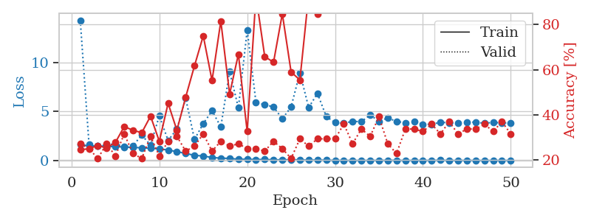
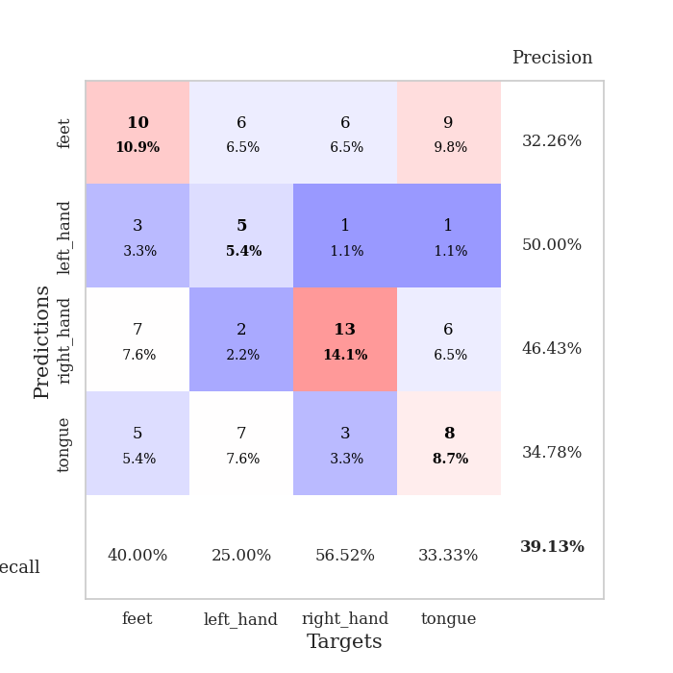
train_loss | valid_loss | train_accuracy | valid_accuracy | dur | train_misclass | valid_misclass
1.64122483 | 14.281463582 | 0.24456521739 | 0.27173913043 | 1.1558778286 | 24.456521739 | 27.173913043
1.4530473792 | 1.6278076327 | 0.25 | 0.25 | 1.1500270367 | 25 | 25
1.4922951926 | 1.4633542351 | 0.26358695652 | 0.20652173913 | 1.1502528191 | 26.358695652 | 20.652173913
1.40673782 | 1.5946181598 | 0.2527173913 | 0.27173913043 | 1.1507368088 | 25.27173913 | 27.173913043
1.4205958791 | 1.6745486052 | 0.27717391304 | 0.21739130435 | 1.150854826 | 27.717391304 | 21.739130435
1.3606501299 | 1.4201608119 | 0.34782608696 | 0.3152173913 | 1.1502668858 | 34.782608696 | 31.52173913
1.3232636089 | 1.504989028 | 0.33152173913 | 0.22826086957 | 1.1554327011 | 33.152173913 | 22.826086957
1.288433671 | 2.5761403105 | 0.32065217391 | 0.20652173913 | 1.1498804092 | 32.065217391 | 20.652173913
1.2359536316 | 1.5684332174 | 0.39402173913 | 0.30434782609 | 1.1515071392 | 39.402173913 | 30.434782609
1.1827578467 | 4.5472010737 | 0.28260869565 | 0.21739130435 | 1.1508183479 | 28.260869565 | 21.739130435
1.0594854251 | 2.033574861 | 0.45108695652 | 0.28260869565 | 1.1511516571 | 45.108695652 | 28.260869565
0.89574217796 | 3.196764438 | 0.33152173913 | 0.30434782609 | 1.1507976055 | 33.152173913 | 30.434782609
0.70993634151 | 6.3329424858 | 0.47826086957 | 0.23913043478 | 1.1500544548 | 47.826086957 | 23.913043478
0.52474349543 | 2.1360609117 | 0.61684782609 | 0.26086956522 | 1.1495187283 | 61.684782609 | 26.086956522
0.44862726136 | 3.7474568408 | 0.75 | 0.3152173913 | 1.1487002373 | 75 | 31.52173913
0.29959091641 | 5.051939446 | 0.55163043478 | 0.23913043478 | 1.150257349 | 55.163043478 | 23.913043478
0.23654395536 | 3.422246933 | 0.8152173913 | 0.28260869565 | 1.1500570774 | 81.52173913 | 28.260869565
0.20437185385 | 9.063359924 | 0.49184782609 | 0.26086956522 | 1.1499123573 | 49.184782609 | 26.086956522
0.11829547851 | 5.3628777421 | 0.66847826087 | 0.27173913043 | 1.1509075165 | 66.847826087 | 27.173913043
0.12157023682 | 13.278513411 | 0.32608695652 | 0.25 | 1.1511583328 | 32.608695652 | 25
0.083537724476 | 5.9228246938 | 0.92663043478 | 0.25 | 1.1509709358 | 92.663043478 | 25
0.10562661217 | 5.6815239658 | 0.65760869565 | 0.23913043478 | 1.1515619755 | 65.760869565 | 23.913043478
0.057498759388 | 5.4546670706 | 0.63315217391 | 0.28260869565 | 1.1514248848 | 63.315217391 | 28.260869565
0.071480113537 | 4.2350086129 | 0.84782608696 | 0.25 | 1.1520078182 | 84.782608696 | 25
0.068253270138 | 5.4576343246 | 0.58967391304 | 0.20652173913 | 1.1521916389 | 58.967391304 | 20.652173913
0.062096405096 | 8.9422505835 | 0.55434782609 | 0.29347826087 | 1.1524949074 | 55.434782609 | 29.347826087
0.027790580947 | 5.3858673469 | 0.93206521739 | 0.26086956522 | 1.1512725353 | 93.206521739 | 26.086956522
0.049745652896 | 6.8309488297 | 0.84510869565 | 0.29347826087 | 1.1528961658 | 84.510869565 | 29.347826087
0.024372875377 | 4.4752367476 | 0.98641304348 | 0.29347826087 | 1.1515495777 | 98.641304348 | 29.347826087
0.013464608797 | 3.8542527738 | 1 | 0.29347826087 | 1.1518325806 | 100 | 29.347826087
0.0073365891965 | 3.7866264219 | 1 | 0.35869565217 | 1.1521353722 | 100 | 35.869565217
0.0078793515954 | 3.9844329046 | 1 | 0.27173913043 | 1.1505522728 | 100 | 27.173913043
0.0045236528816 | 3.9498853476 | 1 | 0.33695652174 | 1.1504671574 | 100 | 33.695652174
0.012458959492 | 4.6289640302 | 1 | 0.30434782609 | 1.1501631737 | 100 | 30.434782609
0.0066158521867 | 3.9963903634 | 1 | 0.39130434783 | 1.1507959366 | 100 | 39.130434783
0.017690017151 | 4.3231124671 | 0.99184782609 | 0.27173913043 | 1.1492772102 | 99.184782609 | 27.173913043
0.016090044399 | 3.9802780359 | 1 | 0.22826086957 | 1.1510500908 | 100 | 22.826086957
0.0038556085498 | 3.8367492012 | 1 | 0.33695652174 | 1.1517519951 | 100 | 33.695652174
0.0098427397935 | 3.9596259905 | 1 | 0.33695652174 | 1.1515834332 | 100 | 33.695652174
0.0033610581139 | 3.6824572397 | 1 | 0.32608695652 | 1.1521010399 | 100 | 32.608695652
0.0099661517483 | 3.6885676799 | 1 | 0.35869565217 | 1.151604414 | 100 | 35.869565217
0.02436199486 | 3.8861372575 | 1 | 0.3152173913 | 1.1521615982 | 100 | 31.52173913
0.0036187267485 | 3.8368356332 | 1 | 0.36956521739 | 1.1508307457 | 100 | 36.956521739
0.0027869270277 | 3.8284405625 | 1 | 0.3152173913 | 1.1518979073 | 100 | 31.52173913
0.0093814551162 | 3.908218674 | 1 | 0.33695652174 | 1.1517071724 | 100 | 33.695652174
0.0027892418995 | 3.8964099677 | 1 | 0.33695652174 | 1.1520006657 | 100 | 33.695652174
0.0031350953504 | 3.7847075462 | 1 | 0.35869565217 | 1.1528434753 | 100 | 35.869565217
0.0059883284032 | 3.8760675555 | 1 | 0.32608695652 | 1.1524727345 | 100 | 32.608695652
0.0037557941276 | 3.8202188948 | 1 | 0.36956521739 | 1.152030468 | 100 | 36.956521739
0.0055006999913 | 3.8389480218 | 1 | 0.3152173913 | 1.1523180008 | 100 | 31.52173913

Best Val accuracy is 0.391304347826087 and Best test accuracy is 0.33620689655172414

Sheet6
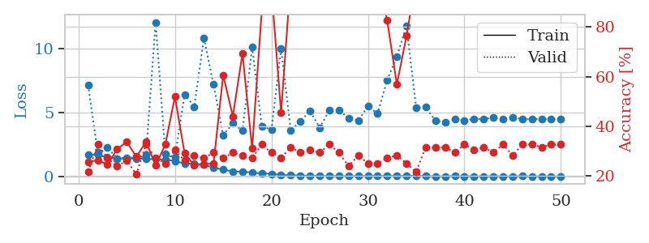
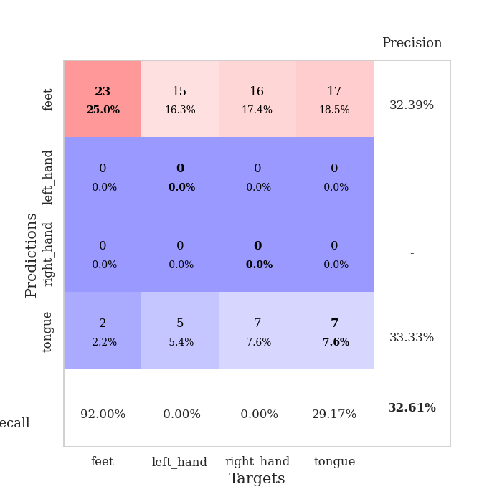
train_loss | valid_loss | train_accuracy | valid_accuracy | dur | train_misclass | valid_misclass
1.7123909359 | 7.1218990036 | 0.25543478261 | 0.21739130435 | 1.152657032 | 25.543478261 | 21.739130435
1.6657290044 | 1.8619794483 | 0.26358695652 | 0.32608695652 | 1.1484098434 | 26.358695652 | 32.608695652
1.5010043849 | 2.2524190519 | 0.24456521739 | 0.27173913043 | 1.1469261646 | 24.456521739 | 27.173913043
1.3986180114 | 1.4071370208 | 0.30706521739 | 0.23913043478 | 1.1487092972 | 30.706521739 | 23.913043478
1.3976737779 | 1.4645054392 | 0.33695652174 | 0.26086956522 | 1.1493794918 | 33.695652174 | 26.086956522
1.3997333672 | 1.468063396 | 0.27717391304 | 0.20652173913 | 1.1502306461 | 27.717391304 | 20.652173913
1.3624332832 | 1.6952234714 | 0.33695652174 | 0.32608695652 | 1.1497061253 | 33.695652174 | 32.608695652
1.3467251373 | 12.035486429 | 0.24184782609 | 0.27173913043 | 1.1496582031 | 24.184782609 | 27.173913043
1.2956546493 | 1.7687719542 | 0.32608695652 | 0.25 | 1.149702549 | 32.608695652 | 25
1.213528926 | 1.5017765864 | 0.51902173913 | 0.30434782609 | 1.1500694752 | 51.902173913 | 30.434782609
0.99424160304 | 6.405718451 | 0.29076086957 | 0.26086956522 | 1.149684906 | 29.076086957 | 26.086956522
0.98873355855 | 5.4504106563 | 0.24184782609 | 0.28260869565 | 1.1499004364 | 24.184782609 | 28.260869565
0.92132330718 | 10.786124934 | 0.2472826087 | 0.27173913043 | 1.1495125294 | 24.72826087 | 27.173913043
0.68646031359 | 7.1660753748 | 0.25 | 0.29347826087 | 1.1490569115 | 25 | 29.347826087
0.53381204476 | 3.2217870381 | 0.60597826087 | 0.27173913043 | 1.149379015 | 60.597826087 | 27.173913043
0.3901146456 | 4.1382938261 | 0.4402173913 | 0.29347826087 | 1.1487352848 | 44.02173913 | 29.347826087
0.3602008068 | 3.5649816368 | 0.69293478261 | 0.28260869565 | 1.1488919258 | 69.293478261 | 28.260869565
0.30757539136 | 10.093935966 | 0.3097826087 | 0.27173913043 | 1.1496815681 | 30.97826087 | 27.173913043
0.22747888497 | 3.9163182093 | 0.86684782609 | 0.32608695652 | 1.149900198 | 86.684782609 | 32.608695652
0.20665706071 | 3.6438989639 | 0.95652173913 | 0.29347826087 | 1.1492431164 | 95.652173913 | 29.347826087
0.11292097442 | 9.957394206 | 0.45380434783 | 0.27173913043 | 1.149582386 | 45.380434783 | 27.173913043
0.08775941489 | 3.5962222452 | 0.99456521739 | 0.3152173913 | 1.1499493122 | 99.456521739 | 31.52173913
0.075934718444 | 4.3090692085 | 0.95380434783 | 0.29347826087 | 1.1498076916 | 95.380434783 | 29.347826087
0.038577745689 | 5.1140764278 | 0.97010869565 | 0.30434782609 | 1.1498146057 | 97.010869565 | 30.434782609
0.040020120877 | 3.8023483442 | 0.9972826087 | 0.29347826087 | 1.1503059864 | 99.72826087 | 29.347826087
0.027139570443 | 5.1481217301 | 1 | 0.32608695652 | 1.1505200863 | 100 | 32.608695652
0.024963308703 | 5.1811704325 | 0.9972826087 | 0.29347826087 | 1.1492452621 | 99.72826087 | 29.347826087
0.018617181477 | 4.5614871357 | 1 | 0.23913043478 | 1.1505441666 | 100 | 23.913043478
0.033122591401 | 4.3697966285 | 0.9972826087 | 0.28260869565 | 1.1506383419 | 99.72826087 | 28.260869565
0.027977907382 | 5.465428228 | 0.98097826087 | 0.25 | 1.1509521008 | 98.097826087 | 25
0.026715551483 | 4.9009413408 | 1 | 0.25 | 1.1507627964 | 100 | 25
0.03554542388 | 7.5340191592 | 0.82608695652 | 0.27173913043 | 1.1503689289 | 82.608695652 | 27.173913043
0.03138302915 | 9.3575773032 | 0.56793478261 | 0.28260869565 | 1.1502797604 | 56.793478261 | 28.260869565
0.040635400295 | 11.75880569 | 0.76358695652 | 0.25 | 1.1510431767 | 76.358695652 | 25
0.04490323713 | 5.3536985024 | 0.99456521739 | 0.21739130435 | 1.1525642872 | 99.456521739 | 21.739130435
0.024303361814 | 5.3989549927 | 1 | 0.3152173913 | 1.1507480145 | 100 | 31.52173913
0.0092368478705 | 4.3382029326 | 1 | 0.3152173913 | 1.1523108482 | 100 | 31.52173913
0.0066182759676 | 4.2475306055 | 1 | 0.3152173913 | 1.1513688564 | 100 | 31.52173913
0.027135082123 | 4.479882344 | 1 | 0.29347826087 | 1.1513664722 | 100 | 29.347826087
0.0099601766054 | 4.3719993467 | 1 | 0.32608695652 | 1.1516473293 | 100 | 32.608695652
0.01113534658 | 4.4843122855 | 1 | 0.30434782609 | 1.1510975361 | 100 | 30.434782609
0.0027062707206 | 4.4708946269 | 1 | 0.3152173913 | 1.1509127617 | 100 | 31.52173913
0.013822887181 | 4.607766027 | 1 | 0.29347826087 | 1.1512665749 | 100 | 29.347826087
0.0055425799308 | 4.4803629543 | 1 | 0.32608695652 | 1.1523301601 | 100 | 32.608695652
0.0060226961732 | 4.6229710579 | 1 | 0.28260869565 | 1.1517512798 | 100 | 28.260869565
0.01990909053 | 4.4700168734 | 1 | 0.32608695652 | 1.1514070034 | 100 | 32.608695652
0.0081867695579 | 4.4626478734 | 1 | 0.32608695652 | 1.151614666 | 100 | 32.608695652
0.0051491470203 | 4.474555679 | 1 | 0.3152173913 | 1.1512563229 | 100 | 31.52173913
0.0028148522403 | 4.4479743709 | 1 | 0.32608695652 | 1.1520702839 | 100 | 32.608695652
0.003981243533 | 4.469033884 | 1 | 0.32608695652 | 1.1517429352 | 100 | 32.608695652

Best Val accuracy is 0.32608695652173914 and Best test accuracy is 0.2672413793103448

Sheet7
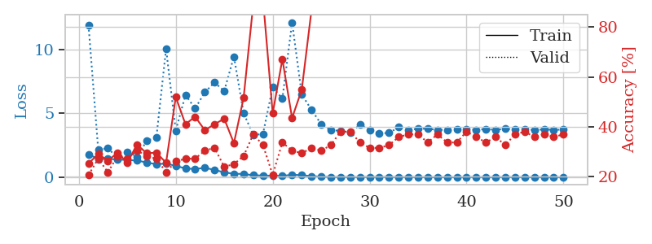
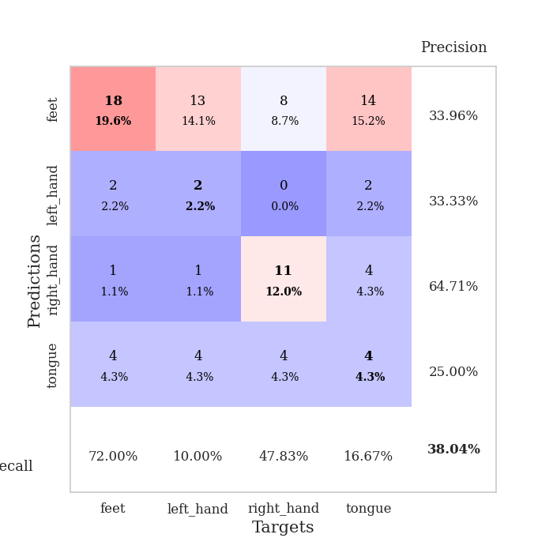
train_loss | valid_loss | train_accuracy | valid_accuracy | dur | train_misclass | valid_misclass
1.7957980425 | 11.897932177 | 0.2527173913 | 0.20652173913 | 1.1533856392 | 25.27173913 | 20.652173913
1.4107967252 | 2.1363703168 | 0.29076086957 | 0.27173913043 | 1.1503665447 | 29.076086957 | 27.173913043
1.434652909 | 2.2826117277 | 0.26358695652 | 0.21739130435 | 1.1486470699 | 26.358695652 | 21.739130435
1.3821811624 | 1.4737566658 | 0.29619565217 | 0.28260869565 | 1.1486752033 | 29.619565217 | 28.260869565
1.3425995008 | 1.9917146745 | 0.25543478261 | 0.27173913043 | 1.1486706734 | 25.543478261 | 27.173913043
1.2983637582 | 1.5877299153 | 0.32880434783 | 0.30434782609 | 1.1484007835 | 32.880434783 | 30.434782609
1.149540528 | 2.8442053173 | 0.29347826087 | 0.28260869565 | 1.1494727135 | 29.347826087 | 28.260869565
1.0086405718 | 3.1101017828 | 0.29619565217 | 0.27173913043 | 1.1484718323 | 29.619565217 | 27.173913043
1.0681703894 | 10.056675621 | 0.25543478261 | 0.21739130435 | 1.1484870911 | 25.543478261 | 21.739130435
0.87882168656 | 3.6432935051 | 0.51902173913 | 0.26086956522 | 1.1484639645 | 51.902173913 | 26.086956522
0.68089575871 | 6.4413224303 | 0.41032608696 | 0.27173913043 | 1.1492230892 | 41.032608696 | 27.173913043
0.63711891356 | 5.3811416626 | 0.4402173913 | 0.27173913043 | 1.1493694782 | 44.02173913 | 27.173913043
0.72852425601 | 6.6599436221 | 0.38586956522 | 0.30434782609 | 1.1500310898 | 38.586956522 | 30.434782609
0.56685702827 | 7.4213230921 | 0.41032608696 | 0.3152173913 | 1.1501989365 | 41.032608696 | 31.52173913
0.36762223425 | 6.7499936145 | 0.43206521739 | 0.23913043478 | 1.1512079239 | 43.206521739 | 23.913043478
0.26516322905 | 9.4555472498 | 0.33423913043 | 0.25 | 1.148848772 | 33.423913043 | 25
0.24658575573 | 5.0157977187 | 0.51630434783 | 0.28260869565 | 1.1498103142 | 51.630434783 | 28.260869565
0.14408933987 | 3.2943183754 | 0.89402173913 | 0.36956521739 | 1.1495566368 | 89.402173913 | 36.956521739
0.12197182611 | 3.3917603493 | 0.91304347826 | 0.32608695652 | 1.1510851383 | 91.304347826 | 32.608695652
0.10946009464 | 7.0495701873 | 0.45380434783 | 0.20652173913 | 1.1500639915 | 45.380434783 | 20.652173913
0.098480169783 | 6.1504959438 | 0.67119565217 | 0.33695652174 | 1.1504220963 | 67.119565217 | 33.695652174
0.18243769362 | 12.13557318 | 0.4347826087 | 0.30434782609 | 1.1500208378 | 43.47826087 | 30.434782609
0.15187841354 | 6.4784171685 | 0.54891304348 | 0.29347826087 | 1.1495895386 | 54.891304348 | 29.347826087
0.076166494871 | 5.2802712814 | 0.86684782609 | 0.3152173913 | 1.1500637531 | 86.684782609 | 31.52173913
0.033852067381 | 4.1576845024 | 0.96467391304 | 0.30434782609 | 1.1497383118 | 96.467391304 | 30.434782609
0.011113843101 | 3.6638537697 | 1 | 0.32608695652 | 1.1509020329 | 100 | 32.608695652
0.010707995556 | 3.6454126317 | 1 | 0.38043478261 | 1.1502826214 | 100 | 38.043478261
0.011518133708 | 3.4692749562 | 1 | 0.38043478261 | 1.150737524 | 100 | 38.043478261
0.0038364545174 | 4.1090167502 | 1 | 0.33695652174 | 1.1503248215 | 100 | 33.695652174
0.013131984003 | 3.6929498755 | 0.9972826087 | 0.3152173913 | 1.1499562263 | 99.72826087 | 31.52173913
0.015066684348 | 3.4275233538 | 1 | 0.3152173913 | 1.1523325443 | 100 | 31.52173913
0.0067642689227 | 3.4646706892 | 1 | 0.32608695652 | 1.1523292065 | 100 | 32.608695652
0.009851827967 | 3.9105351904 | 1 | 0.35869565217 | 1.1510465145 | 100 | 35.869565217
0.0050401326254 | 3.6884365082 | 1 | 0.36956521739 | 1.15239048 | 100 | 36.956521739
0.0034600256192 | 3.7995196425 | 1 | 0.36956521739 | 1.1515250206 | 100 | 36.956521739
0.0042625035453 | 3.7941174922 | 1 | 0.33695652174 | 1.1521847248 | 100 | 33.695652174
0.0022041422648 | 3.7038204566 | 1 | 0.36956521739 | 1.1526465416 | 100 | 36.956521739
0.0028402414312 | 3.7124299588 | 1 | 0.33695652174 | 1.1527070999 | 100 | 33.695652174
0.0017143545404 | 3.7709357013 | 1 | 0.33695652174 | 1.1522507668 | 100 | 33.695652174
0.0046081452753 | 3.7536548532 | 1 | 0.38043478261 | 1.152998209 | 100 | 38.043478261
0.0041199050276 | 3.7121408504 | 1 | 0.35869565217 | 1.1522386074 | 100 | 35.869565217
0.002991680829 | 3.762872924 | 1 | 0.33695652174 | 1.1527512074 | 100 | 33.695652174
0.0013844610031 | 3.7094281445 | 1 | 0.35869565217 | 1.1531188488 | 100 | 35.869565217
0.0078247503647 | 3.7898721488 | 1 | 0.32608695652 | 1.152888298 | 100 | 32.608695652
0.0035718619639 | 3.722018159 | 1 | 0.36956521739 | 1.152682066 | 100 | 36.956521739
0.0032940539316 | 3.7555720495 | 1 | 0.38043478261 | 1.1528568268 | 100 | 38.043478261
0.0033588998163 | 3.6938603857 | 1 | 0.35869565217 | 1.1524243355 | 100 | 35.869565217
0.0034847419374 | 3.7382445128 | 1 | 0.36956521739 | 1.152589798 | 100 | 36.956521739
0.001149285131 | 3.7129162291 | 1 | 0.35869565217 | 1.1530430317 | 100 | 35.869565217
0.0013508329873 | 3.7192127394 | 1 | 0.36956521739 | 1.1533200741 | 100 | 36.956521739

Best Val accuracy is 0.3804347826086957 and Best test accuracy is 0.3275862068965517

Sheet8
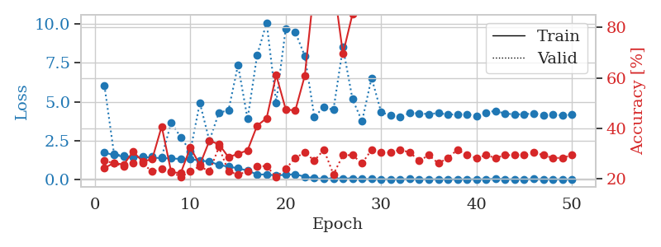
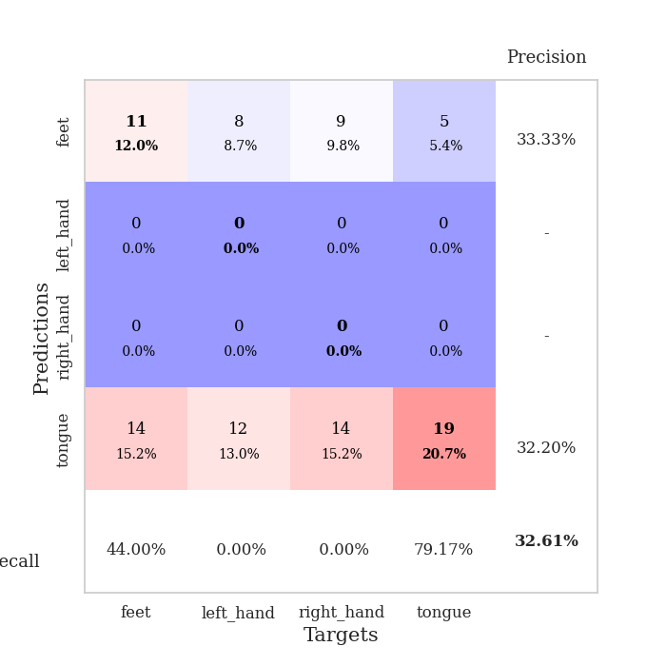
train_loss | valid_loss | train_accuracy | valid_accuracy | dur | train_misclass | valid_misclass
1.7201305731 | 6.0437701474 | 0.24184782609 | 0.27173913043 | 1.1522612572 | 24.184782609 | 27.173913043
1.5689849543 | 1.653716787 | 0.26358695652 | 0.26086956522 | 1.1467092037 | 26.358695652 | 26.086956522
1.4674412323 | 1.508691202 | 0.25543478261 | 0.25 | 1.1491341591 | 25.543478261 | 25
1.4176823004 | 1.4600018988 | 0.30706521739 | 0.26086956522 | 1.1495871544 | 30.706521739 | 26.086956522
1.4419759927 | 1.4572660457 | 0.26902173913 | 0.26086956522 | 1.1494863033 | 26.902173913 | 26.086956522
1.3947697567 | 1.4843887453 | 0.27717391304 | 0.22826086957 | 1.1500241756 | 27.717391304 | 22.826086957
1.3681014051 | 1.4326166226 | 0.40760869565 | 0.23913043478 | 1.1507620811 | 40.760869565 | 23.913043478
1.3419365416 | 3.6578536448 | 0.22554347826 | 0.22826086957 | 1.150346756 | 22.554347826 | 22.826086957
1.3165487466 | 2.7102192485 | 0.22282608696 | 0.20652173913 | 1.1509883404 | 22.282608696 | 20.652173913
1.3026234948 | 1.8114929096 | 0.32336956522 | 0.22826086957 | 1.1504125595 | 32.336956522 | 22.826086957
1.2080288555 | 4.9330666584 | 0.25543478261 | 0.25 | 1.1507983208 | 25.543478261 | 25
1.1459377356 | 2.4799214964 | 0.35054347826 | 0.22826086957 | 1.1502280235 | 35.054347826 | 22.826086957
0.9254675663 | 4.305722983 | 0.33695652174 | 0.32608695652 | 1.1511557102 | 33.695652174 | 32.608695652
0.81695203937 | 4.4364119613 | 0.28532608696 | 0.22826086957 | 1.1524384022 | 28.532608696 | 22.826086957
0.71207864647 | 7.3722409787 | 0.29891304348 | 0.21739130435 | 1.1507077217 | 29.891304348 | 21.739130435
0.56170783354 | 3.8924699866 | 0.3125 | 0.22826086957 | 1.1501948833 | 31.25 | 22.826086957
0.31395179876 | 7.9939040516 | 0.41032608696 | 0.25 | 1.1506145 | 41.032608696 | 25
0.31076723985 | 10.100614921 | 0.4402173913 | 0.25 | 1.1500291824 | 44.02173913 | 25
0.24877007468 | 4.9515901027 | 0.61141304348 | 0.20652173913 | 1.151807785 | 61.141304348 | 20.652173913
0.2939223997 | 9.7221706639 | 0.47554347826 | 0.23913043478 | 1.1517398357 | 47.554347826 | 23.913043478
0.32866631108 | 9.4899459093 | 0.47010869565 | 0.28260869565 | 1.1510639191 | 47.010869565 | 28.260869565
0.16702292811 | 7.9536656711 | 0.60869565217 | 0.30434782609 | 1.1510641575 | 60.869565217 | 30.434782609
0.071621478414 | 4.0347454341 | 0.96467391304 | 0.27173913043 | 1.1506795883 | 96.467391304 | 27.173913043
0.027698406403 | 4.6544246674 | 0.94836956522 | 0.3152173913 | 1.1513803005 | 94.836956522 | 31.52173913
0.066278292878 | 4.4752524625 | 0.97554347826 | 0.21739130435 | 1.1513741016 | 97.554347826 | 21.739130435
0.042941942173 | 8.5101101502 | 0.69565217391 | 0.29347826087 | 1.1514544487 | 69.565217391 | 29.347826087
0.065223093671 | 5.1649286229 | 0.85326086957 | 0.29347826087 | 1.1517636776 | 85.326086957 | 29.347826087
0.019703985941 | 3.7435718101 | 0.99456521739 | 0.26086956522 | 1.1517558098 | 99.456521739 | 26.086956522
0.022772874045 | 6.5420250063 | 0.95380434783 | 0.3152173913 | 1.1509413719 | 95.380434783 | 31.52173913
0.0099938689154 | 4.3295504736 | 1 | 0.30434782609 | 1.1516635418 | 100 | 30.434782609
0.0067452012268 | 4.1137231744 | 1 | 0.30434782609 | 1.1515748501 | 100 | 30.434782609
0.0069040105926 | 4.0475257791 | 1 | 0.3152173913 | 1.1517734528 | 100 | 31.52173913
0.014953948214 | 4.262740187 | 1 | 0.30434782609 | 1.1514363289 | 100 | 30.434782609
0.0048207761391 | 4.2570303419 | 1 | 0.27173913043 | 1.1523542404 | 100 | 27.173913043
0.01099978614 | 4.1979952895 | 1 | 0.29347826087 | 1.153106451 | 100 | 29.347826087
0.0042808222276 | 4.2762524978 | 1 | 0.26086956522 | 1.1516706944 | 100 | 26.086956522
0.0035898041552 | 4.1707376915 | 1 | 0.28260869565 | 1.1526243687 | 100 | 28.260869565
0.0046289822823 | 4.1941177741 | 1 | 0.3152173913 | 1.1520841122 | 100 | 31.52173913
0.0066599242222 | 4.1987525795 | 1 | 0.29347826087 | 1.1521561146 | 100 | 29.347826087
0.0088424856253 | 4.0744672133 | 1 | 0.28260869565 | 1.1530966759 | 100 | 28.260869565
0.0083207800781 | 4.3006857893 | 1 | 0.29347826087 | 1.1523344517 | 100 | 29.347826087
0.040205864429 | 4.4206027052 | 1 | 0.28260869565 | 1.1533610821 | 100 | 28.260869565
0.011923863184 | 4.2298187484 | 1 | 0.29347826087 | 1.1521909237 | 100 | 29.347826087
0.0038517221964 | 4.1970135129 | 1 | 0.29347826087 | 1.1515920162 | 100 | 29.347826087
0.0019626217735 | 4.1858046573 | 1 | 0.29347826087 | 1.1531682014 | 100 | 29.347826087
0.015205940924 | 4.2584327615 | 1 | 0.30434782609 | 1.1524574757 | 100 | 30.434782609
0.0069291256147 | 4.1141814356 | 1 | 0.29347826087 | 1.1530668736 | 100 | 29.347826087
0.004131519497 | 4.1980775439 | 1 | 0.28260869565 | 1.1517896652 | 100 | 28.260869565
0.0032120808736 | 4.1127017374 | 1 | 0.28260869565 | 1.1530532837 | 100 | 28.260869565
0.005329424833 | 4.1791064636 | 1 | 0.29347826087 | 1.1520512104 | 100 | 29.347826087

Best Val accuracy is 0.32608695652173914 and Best test accuracy is 0.25862068965517243

Sheet9
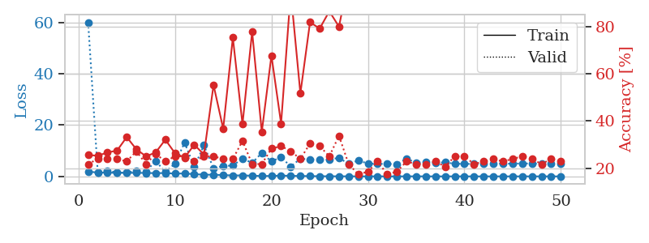
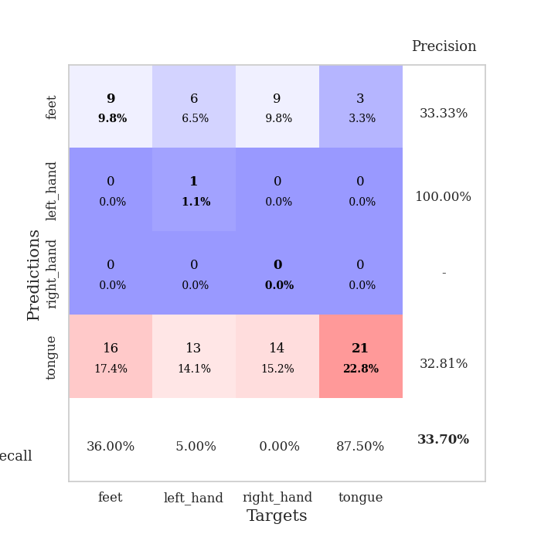
train_loss | valid_loss | train_accuracy | valid_accuracy | dur | train_misclass | valid_misclass
1.8029204918 | 60.15409652 | 0.25543478261 | 0.21739130435 | 1.1543207169 | 25.543478261 | 21.739130435
1.5488457939 | 1.4670330338 | 0.2527173913 | 0.23913043478 | 1.1506094933 | 25.27173913 | 23.913043478
1.416471077 | 2.2822844153 | 0.26630434783 | 0.23913043478 | 1.1487004757 | 26.630434783 | 23.913043478
1.4086636098 | 1.4394335332 | 0.27445652174 | 0.23913043478 | 1.1494190693 | 27.445652174 | 23.913043478
1.3759986214 | 1.5170211326 | 0.33152173913 | 0.22826086957 | 1.1502475739 | 33.152173913 | 22.826086957
1.3783664444 | 2.0456488599 | 0.27989130435 | 0.27173913043 | 1.150349617 | 27.989130435 | 27.173913043
1.3400533873 | 1.941759265 | 0.25 | 0.21739130435 | 1.1515550613 | 25 | 21.739130435
1.265588864 | 6.0579653408 | 0.26630434783 | 0.26086956522 | 1.1498038769 | 26.630434783 | 26.086956522
1.3043599181 | 1.6901332244 | 0.32065217391 | 0.22826086957 | 1.1497759819 | 32.065217391 | 22.826086957
1.08416414 | 5.0073934431 | 0.26358695652 | 0.25 | 1.1504399776 | 26.358695652 | 25
1.1417316561 | 13.138528699 | 0.24456521739 | 0.25 | 1.150894165 | 24.456521739 | 25
0.86228267265 | 3.7046115087 | 0.29891304348 | 0.22826086957 | 1.1505830288 | 29.891304348 | 22.826086957
0.66821706813 | 12.095519854 | 0.25815217391 | 0.25 | 1.1510212421 | 25.815217391 | 25
0.63831031063 | 3.1993555815 | 0.55163043478 | 0.25 | 1.1502625942 | 55.163043478 | 25
0.50846253141 | 4.0476720229 | 0.36684782609 | 0.23913043478 | 1.1509487629 | 36.684782609 | 23.913043478
0.3720171471 | 4.2288239313 | 0.7527173913 | 0.23913043478 | 1.1507725716 | 75.27173913 | 23.913043478
0.37616011306 | 6.9834998587 | 0.38586956522 | 0.3152173913 | 1.1515014172 | 38.586956522 | 31.52173913
0.27550690313 | 5.2409247315 | 0.77717391304 | 0.21739130435 | 1.1528348923 | 77.717391304 | 21.739130435
0.14922773579 | 9.1570155517 | 0.35326086957 | 0.21739130435 | 1.150595665 | 35.326086957 | 21.739130435
0.17252883841 | 5.7968862368 | 0.67663043478 | 0.28260869565 | 1.1516208649 | 67.663043478 | 28.260869565
0.31813984656 | 7.5489267681 | 0.38858695652 | 0.29347826087 | 1.1509950161 | 38.858695652 | 29.347826087
0.21448434501 | 3.8234076293 | 0.94565217391 | 0.27173913043 | 1.1518850327 | 94.565217391 | 27.173913043
0.15464602986 | 6.9078336799 | 0.51630434783 | 0.23913043478 | 1.150444746 | 51.630434783 | 23.913043478
0.11088642567 | 6.610195077 | 0.81793478261 | 0.30434782609 | 1.1516389847 | 81.793478261 | 30.434782609
0.061068913717 | 6.5191054137 | 0.79076086957 | 0.29347826087 | 1.1511092186 | 79.076086957 | 29.347826087
0.050143911645 | 6.5246217976 | 0.86413043478 | 0.25 | 1.1515443325 | 86.413043478 | 25
0.030229756558 | 7.2751725653 | 0.79891304348 | 0.33695652174 | 1.1512043476 | 79.891304348 | 33.695652174
0.028525029269 | 4.8282904418 | 1 | 0.21739130435 | 1.1521143913 | 100 | 21.739130435
0.01299368499 | 6.2336519075 | 0.94293478261 | 0.17391304348 | 1.1504695415 | 94.293478261 | 17.391304348
0.011498506576 | 4.9864422757 | 1 | 0.1847826087 | 1.1510894299 | 100 | 18.47826087
0.02215963395 | 4.8790817883 | 1 | 0.22826086957 | 1.1515526772 | 100 | 22.826086957
0.0085558908202 | 4.8713227977 | 1 | 0.17391304348 | 1.1511800289 | 100 | 17.391304348
0.0055379481915 | 4.8020861874 | 1 | 0.1847826087 | 1.1511106491 | 100 | 18.47826087
0.014093192451 | 6.9557127331 | 0.9972826087 | 0.22826086957 | 1.1516826153 | 99.72826087 | 22.826086957
0.025518469771 | 5.2872772217 | 1 | 0.21739130435 | 1.1513721943 | 100 | 21.739130435
0.0083946903267 | 5.7251370679 | 1 | 0.21739130435 | 1.1522936821 | 100 | 21.739130435
0.008915699411 | 5.3574447425 | 1 | 0.22826086957 | 1.1516497135 | 100 | 22.826086957
0.0072700029173 | 5.4597189115 | 1 | 0.20652173913 | 1.1524322033 | 100 | 20.652173913
0.012962080311 | 4.9155307438 | 1 | 0.25 | 1.1518030167 | 100 | 25
0.0066404998171 | 4.8881265184 | 1 | 0.25 | 1.151955843 | 100 | 25
0.003713337411 | 4.8287565812 | 1 | 0.21739130435 | 1.1517612934 | 100 | 21.739130435
0.002557964917 | 4.9498831086 | 1 | 0.22826086957 | 1.1519265175 | 100 | 22.826086957
0.0059674374921 | 4.998251293 | 1 | 0.23913043478 | 1.1525073051 | 100 | 23.913043478
0.0082428749023 | 4.9527319203 | 1 | 0.22826086957 | 1.152302742 | 100 | 22.826086957
0.0053383991041 | 4.9609070032 | 1 | 0.23913043478 | 1.1526556015 | 100 | 23.913043478
0.0086388644856 | 5.0338890242 | 1 | 0.25 | 1.1520497799 | 100 | 25
0.0096444687553 | 5.0096883774 | 1 | 0.23913043478 | 1.1526761055 | 100 | 23.913043478
0.0025152306695 | 4.9168671318 | 1 | 0.21739130435 | 1.1523888111 | 100 | 21.739130435
0.0029060534156 | 4.9423553425 | 1 | 0.23913043478 | 1.1528983116 | 100 | 23.913043478
0.0037877018736 | 4.920281348 | 1 | 0.22826086957 | 1.1522891521 | 100 | 22.826086957

Best Val accuracy is 0.33695652173913043 and Best test accuracy is 0.29310344827586204

Sheet10
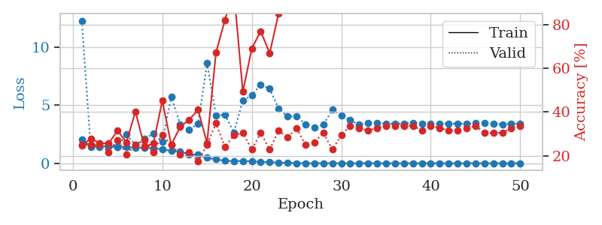
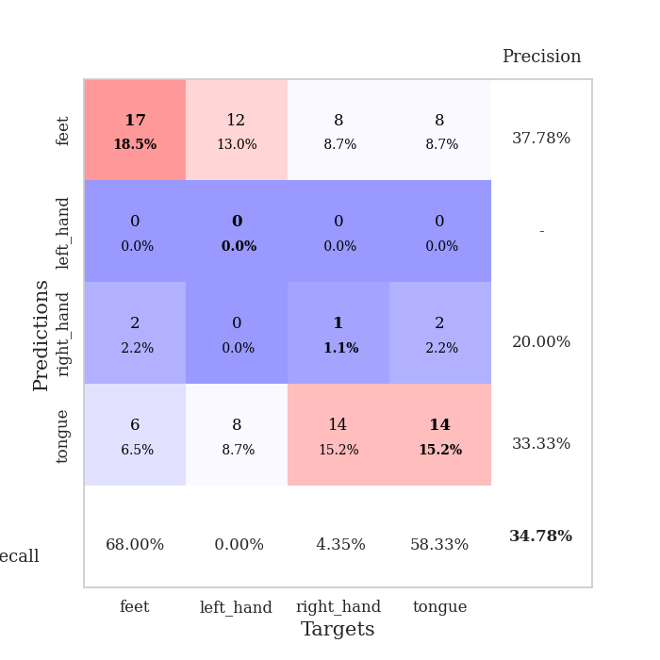
train_loss | valid_loss | train_accuracy | valid_accuracy | dur | train_misclass | valid_misclass
2.0306124791 | 12.310085919 | 0.2472826087 | 0.25 | 1.1534698009 | 24.72826087 | 25
1.4767972386 | 1.3992050264 | 0.27717391304 | 0.25 | 1.1497399807 | 27.717391304 | 25
1.4333937686 | 1.527963374 | 0.25815217391 | 0.25 | 1.1501238346 | 25.815217391 | 25
1.4455342811 | 1.5574204818 | 0.25543478261 | 0.21739130435 | 1.1499764919 | 25.543478261 | 21.739130435
1.389797729 | 1.3968621752 | 0.3152173913 | 0.27173913043 | 1.1497654915 | 31.52173913 | 27.173913043
1.4054639547 | 2.4833633278 | 0.26086956522 | 0.20652173913 | 1.1523740292 | 26.086956522 | 20.652173913
1.3571323882 | 1.5946192275 | 0.40217391304 | 0.25 | 1.1502985954 | 40.217391304 | 25
1.3513213085 | 2.1057832759 | 0.24184782609 | 0.27173913043 | 1.1502587795 | 24.184782609 | 27.173913043
1.2834171938 | 2.5733372854 | 0.25543478261 | 0.21739130435 | 1.150342226 | 25.543478261 | 21.739130435
1.2223252265 | 1.8748601468 | 0.45108695652 | 0.29347826087 | 1.1503708363 | 45.108695652 | 29.347826087
1.0562847386 | 5.7511694742 | 0.25 | 0.25 | 1.1530263424 | 25 | 25
0.98797856725 | 3.3654811693 | 0.33152173913 | 0.20652173913 | 1.1499528885 | 33.152173913 | 20.652173913
0.78970344429 | 2.8931107003 | 0.36413043478 | 0.21739130435 | 1.1503362656 | 36.413043478 | 21.739130435
0.73226469366 | 3.4247415377 | 0.41032608696 | 0.17391304348 | 1.1499760151 | 41.032608696 | 17.391304348
0.47751490707 | 8.6311316905 | 0.25815217391 | 0.25 | 1.1507315636 | 25.815217391 | 25
0.34274735496 | 4.1375720397 | 0.67119565217 | 0.34782608696 | 1.1501162052 | 67.119565217 | 34.782608696
0.21131962635 | 4.1746504307 | 0.82065217391 | 0.23913043478 | 1.1520392895 | 82.065217391 | 23.913043478
0.1919678235 | 2.6666037414 | 0.95380434783 | 0.29347826087 | 1.1501510143 | 95.380434783 | 29.347826087
0.19753955888 | 5.4327529824 | 0.49184782609 | 0.30434782609 | 1.1507413387 | 49.184782609 | 30.434782609
0.16977458666 | 5.873028071 | 0.6902173913 | 0.22826086957 | 1.150405407 | 69.02173913 | 22.826086957
0.11933704028 | 6.8082001935 | 0.76902173913 | 0.30434782609 | 1.1507356167 | 76.902173913 | 30.434782609
0.095240866644 | 6.44025927 | 0.66847826087 | 0.22826086957 | 1.1512088776 | 66.847826087 | 22.826086957
0.064441106464 | 4.7327575891 | 0.85054347826 | 0.3152173913 | 1.1509571075 | 85.054347826 | 31.52173913
0.032194533821 | 4.0327203481 | 0.99456521739 | 0.28260869565 | 1.1505401134 | 99.456521739 | 28.260869565
0.011921139677 | 4.0619285521 | 0.99184782609 | 0.32608695652 | 1.1508915424 | 99.184782609 | 32.608695652
0.0072213850217 | 3.3772505159 | 1 | 0.25 | 1.1510229111 | 100 | 25
0.0090230458705 | 3.0940501379 | 1 | 0.26086956522 | 1.1523489952 | 100 | 26.086956522
0.007017914593 | 3.3466379124 | 1 | 0.30434782609 | 1.1513063908 | 100 | 30.434782609
0.0082908455376 | 4.6132350901 | 1 | 0.22826086957 | 1.1517519951 | 100 | 22.826086957
0.00785320834 | 4.1335060182 | 1 | 0.29347826087 | 1.1515204906 | 100 | 29.347826087
0.0036949801585 | 3.7154209303 | 1 | 0.33695652174 | 1.1527404785 | 100 | 33.695652174
0.0057887659211 | 3.3435291104 | 1 | 0.32608695652 | 1.1505813599 | 100 | 32.608695652
0.0033356678785 | 3.4828910102 | 1 | 0.3152173913 | 1.1518337727 | 100 | 31.52173913
0.0016920799073 | 3.4841952842 | 1 | 0.32608695652 | 1.1518571377 | 100 | 32.608695652
0.0026354315791 | 3.4222022658 | 1 | 0.33695652174 | 1.1521353722 | 100 | 33.695652174
0.001162644005 | 3.409826911 | 1 | 0.33695652174 | 1.1521782875 | 100 | 33.695652174
0.0032660018934 | 3.4291703494 | 1 | 0.33695652174 | 1.1519837379 | 100 | 33.695652174
0.0041307680645 | 3.4921571794 | 1 | 0.33695652174 | 1.1514048576 | 100 | 33.695652174
0.0016320977049 | 3.4446471048 | 1 | 0.3152173913 | 1.1515891552 | 100 | 31.52173913
0.0033989830434 | 3.4193228224 | 1 | 0.33695652174 | 1.1524734497 | 100 | 33.695652174
0.002285031753 | 3.4277992249 | 1 | 0.32608695652 | 1.1526377201 | 100 | 32.608695652
0.0027011582652 | 3.4232205619 | 1 | 0.3152173913 | 1.152141571 | 100 | 31.52173913
0.0040870332362 | 3.4238493132 | 1 | 0.3152173913 | 1.1530425549 | 100 | 31.52173913
0.001483321851 | 3.4405031515 | 1 | 0.32608695652 | 1.1526460648 | 100 | 32.608695652
0.0061597965174 | 3.4575303223 | 1 | 0.33695652174 | 1.1522057056 | 100 | 33.695652174
0.002900246433 | 3.466736099 | 1 | 0.30434782609 | 1.1525399685 | 100 | 30.434782609
0.001556811307 | 3.4151514613 | 1 | 0.30434782609 | 1.1527204514 | 100 | 30.434782609
0.0014468588994 | 3.3800847841 | 1 | 0.30434782609 | 1.1517403126 | 100 | 30.434782609
0.0016202862598 | 3.4008274389 | 1 | 0.32608695652 | 1.1526255608 | 100 | 32.608695652
0.0017331067382 | 3.437103427 | 1 | 0.33695652174 | 1.1528952122 | 100 | 33.695652174

Best Val accuracy is 0.34782608695652173 and Best test accuracy is 0.31896551724137934

