Sheet
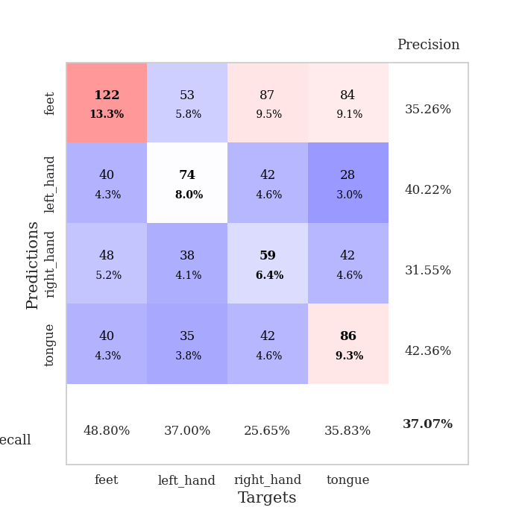
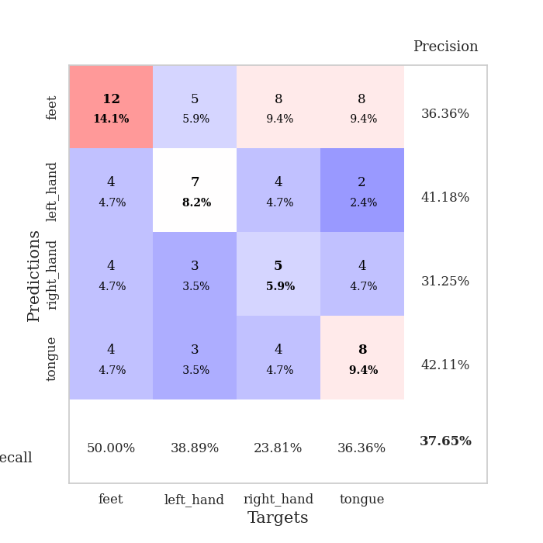
best_val_acc | best_val_los | best_test_acc
0.40217391304 | 1.3780773204 | 0.30172413793
0.39130434783 | 1.3877692689 | 0.30172413793
0.35869565217 | 1.4504479895 | 0.27586206897
0.36956521739 | 1.41911389 | 0.25862068966
0.33695652174 | 1.397231895 | 0.30172413793
0.29347826087 | 1.4072528145 | 0.31034482759
0.41304347826 | 1.4225602202 | 0.33620689655
0.36956521739 | 1.4513566028 | 0.35344827586
0.36956521739 | 1.3932051918 | 0.34482758621
0.40217391304 | 1.348979556 | 0.30172413793

Mean,std Val accuracy is 0.37065217391304345 , 0.035665868702390476 and mean, std test accuracy is 0.3086206896551724 , 0.029529270295781906

Sheet1
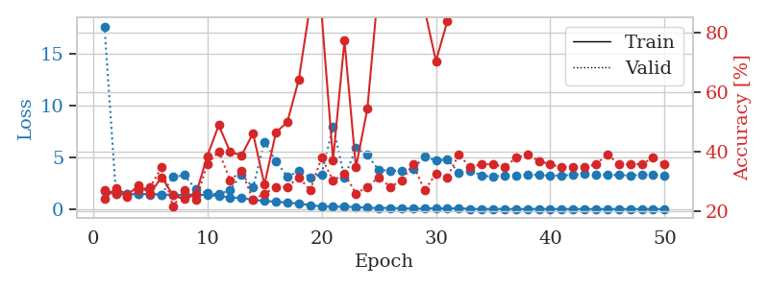
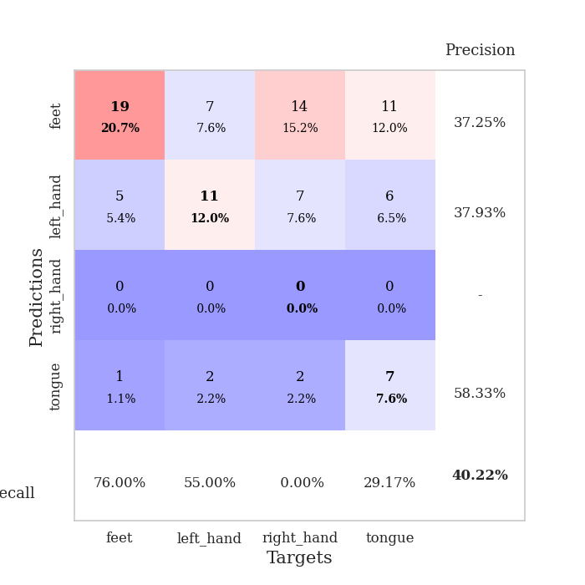
train_loss | valid_loss | train_accuracy | valid_accuracy | dur | train_misclass | valid_misclass
1.7108956057 | 17.620286444 | 0.24184782609 | 0.27173913043 | 1.153077364 | 24.184782609 | 27.173913043
1.4798159029 | 1.6423482584 | 0.27989130435 | 0.26086956522 | 1.1493501663 | 27.989130435 | 26.086956522
1.4660885023 | 1.4621872021 | 0.25543478261 | 0.25 | 1.1499791145 | 25.543478261 | 25
1.4255237735 | 1.4321273773 | 0.28804347826 | 0.27173913043 | 1.1498725414 | 28.804347826 | 27.173913043
1.4700838638 | 1.3780773204 | 0.26086956522 | 0.28260869565 | 1.149998188 | 26.086956522 | 28.260869565
1.3879589827 | 1.3927205749 | 0.3152173913 | 0.34782608696 | 1.1523025036 | 31.52173913 | 34.782608696
1.3704196526 | 3.1028503335 | 0.25543478261 | 0.21739130435 | 1.1495814323 | 25.543478261 | 21.739130435
1.3761020847 | 3.2732521866 | 0.24184782609 | 0.27173913043 | 1.1497216225 | 24.184782609 | 27.173913043
1.390991851 | 1.8869438482 | 0.25815217391 | 0.23913043478 | 1.1508700848 | 25.815217391 | 23.913043478
1.3482293098 | 1.5269618242 | 0.38586956522 | 0.35869565217 | 1.149889946 | 38.586956522 | 35.869565217
1.2568671755 | 1.4167678615 | 0.48913043478 | 0.40217391304 | 1.1508905888 | 48.913043478 | 40.217391304
1.1111255599 | 1.8464154212 | 0.39945652174 | 0.30434782609 | 1.1501219273 | 39.945652174 | 30.434782609
1.0543911405 | 3.3386787228 | 0.38858695652 | 0.33695652174 | 1.1503968239 | 38.858695652 | 33.695652174
0.91055871481 | 2.08275852 | 0.46195652174 | 0.23913043478 | 1.1502897739 | 46.195652174 | 23.913043478
0.77269577591 | 6.4900459829 | 0.29076086957 | 0.26086956522 | 1.1499767303 | 29.076086957 | 26.086956522
0.7240624972 | 4.617346038 | 0.46467391304 | 0.28260869565 | 1.1504354477 | 46.467391304 | 28.260869565
0.61373110958 | 3.1283619611 | 0.5 | 0.28260869565 | 1.1501307487 | 50 | 28.260869565
0.53767134508 | 3.6443189953 | 0.64130434783 | 0.3152173913 | 1.1505525112 | 64.130434783 | 31.52173913
0.37685898756 | 3.0736946438 | 0.89130434783 | 0.27173913043 | 1.1505863667 | 89.130434783 | 27.173913043
0.25670625723 | 3.3581280916 | 0.86141304348 | 0.38043478261 | 1.1504883766 | 86.141304348 | 38.043478261
0.2356311457 | 7.9640604931 | 0.3722826087 | 0.30434782609 | 1.1507501602 | 37.22826087 | 30.434782609
0.2262044055 | 3.0571695411 | 0.77173913043 | 0.32608695652 | 1.1511554718 | 77.173913043 | 32.608695652
0.20410743874 | 5.8712671529 | 0.34782608696 | 0.26086956522 | 1.1507720947 | 34.782608696 | 26.086956522
0.12121272399 | 5.2209014685 | 0.54347826087 | 0.28260869565 | 1.1505537033 | 54.347826087 | 28.260869565
0.11100810588 | 3.7550681778 | 0.96467391304 | 0.3152173913 | 1.1505944729 | 96.467391304 | 31.52173913
0.11620746468 | 3.7274229216 | 0.94293478261 | 0.28260869565 | 1.1498110294 | 94.293478261 | 28.260869565
0.073923645784 | 3.667362068 | 0.9375 | 0.30434782609 | 1.1501893997 | 93.75 | 30.434782609
0.042195775404 | 3.9085415757 | 0.91304347826 | 0.35869565217 | 1.1505935192 | 91.304347826 | 35.869565217
0.045370446963 | 5.0618433952 | 0.8777173913 | 0.27173913043 | 1.151809454 | 87.77173913 | 27.173913043
0.092699264136 | 4.6778145044 | 0.70380434783 | 0.32608695652 | 1.1510162354 | 70.380434783 | 32.608695652
0.047853395859 | 4.8010720585 | 0.83695652174 | 0.3152173913 | 1.150519371 | 83.695652174 | 31.52173913
0.094690681678 | 3.4993929863 | 0.97282608696 | 0.39130434783 | 1.1511671543 | 97.282608696 | 39.130434783
0.020291593968 | 3.7223052149 | 0.99456521739 | 0.34782608696 | 1.1516990662 | 99.456521739 | 34.782608696
0.01420609986 | 3.2303209305 | 1 | 0.35869565217 | 1.1517779827 | 100 | 35.869565217
0.010535259736 | 3.1260322281 | 1 | 0.35869565217 | 1.1518068314 | 100 | 35.869565217
0.012398845344 | 3.2391658244 | 1 | 0.34782608696 | 1.1513009071 | 100 | 34.782608696
0.011091952039 | 3.2545222199 | 1 | 0.38043478261 | 1.1513676643 | 100 | 38.043478261
0.0069703434103 | 3.3013082173 | 1 | 0.39130434783 | 1.1513857841 | 100 | 39.130434783
0.017702062665 | 3.3015573543 | 1 | 0.36956521739 | 1.1522731781 | 100 | 36.956521739
0.0078046708798 | 3.2102115258 | 1 | 0.35869565217 | 1.1522336006 | 100 | 35.869565217
0.0063784953976 | 3.2490645077 | 1 | 0.34782608696 | 1.1520452499 | 100 | 34.782608696
0.0095537790153 | 3.2956256866 | 1 | 0.34782608696 | 1.1529064178 | 100 | 34.782608696
0.0078160065181 | 3.3943244063 | 1 | 0.34782608696 | 1.1511523724 | 100 | 34.782608696
0.0054688799972 | 3.2892078939 | 1 | 0.35869565217 | 1.1522629261 | 100 | 35.869565217
0.0037522921655 | 3.2937511568 | 1 | 0.39130434783 | 1.1519789696 | 100 | 39.130434783
0.0057170341986 | 3.2764990019 | 1 | 0.35869565217 | 1.151717186 | 100 | 35.869565217
0.0054534779262 | 3.2446100194 | 1 | 0.35869565217 | 1.1524856091 | 100 | 35.869565217
0.0066141683694 | 3.3014496306 | 1 | 0.35869565217 | 1.151935339 | 100 | 35.869565217
0.0083839434285 | 3.2930452305 | 1 | 0.38043478261 | 1.152107954 | 100 | 38.043478261
0.0098075084869 | 3.2607350764 | 1 | 0.35869565217 | 1.1518764496 | 100 | 35.869565217

Best Val accuracy is 0.40217391304347827 and Best test accuracy is 0.3017241379310345

Sheet2
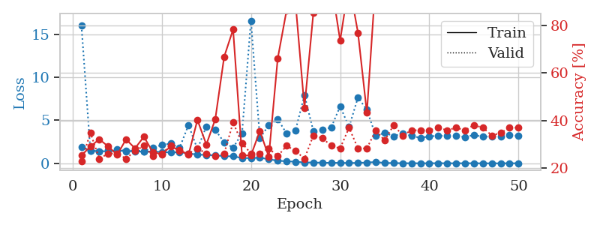
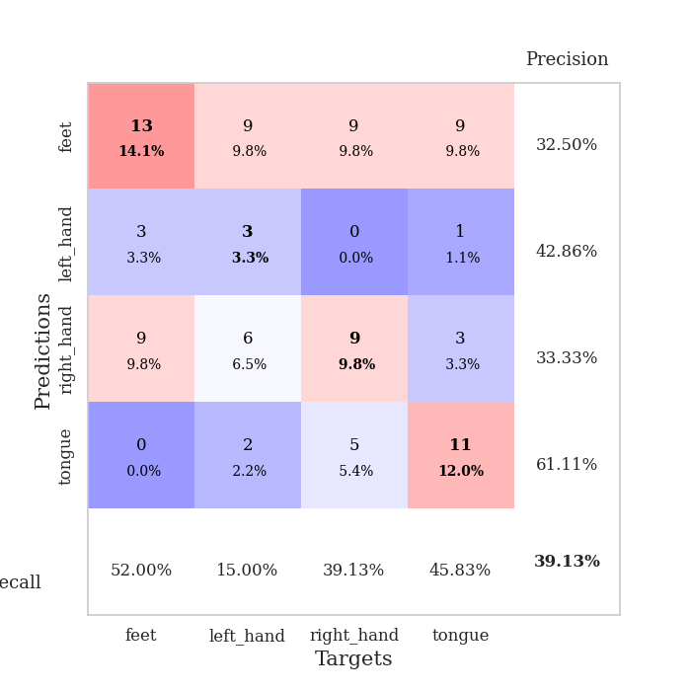
train_loss | valid_loss | train_accuracy | valid_accuracy | dur | train_misclass | valid_misclass
1.8785413815 | 15.969301224 | 0.2527173913 | 0.22826086957 | 1.1538550854 | 25.27173913 | 22.826086957
1.5013563063 | 1.4460032971 | 0.29076086957 | 0.34782608696 | 1.1460523605 | 29.076086957 | 34.782608696
1.3976270323 | 1.3877692689 | 0.32065217391 | 0.23913043478 | 1.1489708424 | 32.065217391 | 23.913043478
1.4063775799 | 1.5399512208 | 0.29076086957 | 0.26086956522 | 1.1488552094 | 29.076086957 | 26.086956522
1.5043634021 | 1.6136643731 | 0.25543478261 | 0.26086956522 | 1.149294138 | 25.543478261 | 26.086956522
1.4151385193 | 1.4545227134 | 0.32065217391 | 0.23913043478 | 1.149641037 | 32.065217391 | 23.913043478
1.3855322962 | 1.5014812169 | 0.28260869565 | 0.27173913043 | 1.1489574909 | 28.260869565 | 27.173913043
1.3638712893 | 1.4116904839 | 0.33152173913 | 0.29347826087 | 1.149030447 | 33.152173913 | 29.347826087
1.3692882113 | 1.8362080014 | 0.26630434783 | 0.25 | 1.1490411758 | 26.630434783 | 25
1.3159661086 | 2.1187976806 | 0.25815217391 | 0.26086956522 | 1.1491982937 | 25.815217391 | 26.086956522
1.2604403314 | 2.3042865473 | 0.29076086957 | 0.29347826087 | 1.1496016979 | 29.076086957 | 29.347826087
1.3061372715 | 1.7964812776 | 0.27445652174 | 0.27173913043 | 1.1486792564 | 27.445652174 | 27.173913043
1.1519462103 | 4.459704368 | 0.25543478261 | 0.26086956522 | 1.1504101753 | 25.543478261 | 26.086956522
1.0200912901 | 1.6565153132 | 0.40217391304 | 0.28260869565 | 1.1502711773 | 40.217391304 | 28.260869565
0.96860723133 | 4.2865303496 | 0.29891304348 | 0.26086956522 | 1.1500983238 | 29.891304348 | 26.086956522
0.93188797391 | 3.8877645679 | 0.40489130435 | 0.25 | 1.1500024796 | 40.489130435 | 25
0.83958726085 | 2.435027931 | 0.66847826087 | 0.26086956522 | 1.1496794224 | 66.847826087 | 26.086956522
0.81541007498 | 1.8096395161 | 0.78260869565 | 0.39130434783 | 1.1498780251 | 78.260869565 | 39.130434783
0.62357519502 | 3.4752175912 | 0.2527173913 | 0.30434782609 | 1.1519641876 | 25.27173913 | 30.434782609
0.60785425875 | 16.570441536 | 0.2527173913 | 0.26086956522 | 1.1498939991 | 25.27173913 | 26.086956522
0.66113888699 | 2.9271905215 | 0.35597826087 | 0.26086956522 | 1.1509785652 | 35.597826087 | 26.086956522
0.47342687521 | 4.4160457487 | 0.2472826087 | 0.28260869565 | 1.1493816376 | 24.72826087 | 28.260869565
0.31091722263 | 5.1446065695 | 0.66032608696 | 0.25 | 1.1509804726 | 66.032608696 | 25
0.23550241603 | 3.4581720622 | 0.86413043478 | 0.29347826087 | 1.1509101391 | 86.413043478 | 29.347826087
0.18869943107 | 3.8337625006 | 0.89402173913 | 0.27173913043 | 1.1513750553 | 89.402173913 | 27.173913043
0.10700262945 | 7.9318662726 | 0.45380434783 | 0.23913043478 | 1.1507389545 | 45.380434783 | 23.913043478
0.098486860728 | 3.7470966111 | 0.85326086957 | 0.33695652174 | 1.1511573792 | 85.326086957 | 33.695652174
0.079069091655 | 3.9111529848 | 0.9375 | 0.32608695652 | 1.1508607864 | 93.75 | 32.608695652
0.05813794083 | 4.16809676 | 0.97826086957 | 0.29347826087 | 1.1514997482 | 97.826086957 | 29.347826087
0.062256117817 | 6.6249537053 | 0.73641304348 | 0.28260869565 | 1.1502943039 | 73.641304348 | 28.260869565
0.038726259256 | 4.2114133213 | 0.97826086957 | 0.36956521739 | 1.1507573128 | 97.826086957 | 36.956521739
0.057105447226 | 7.6574466332 | 0.76902173913 | 0.28260869565 | 1.1498026848 | 76.902173913 | 28.260869565
0.096571127358 | 6.2110558593 | 0.43206521739 | 0.28260869565 | 1.1507031918 | 43.206521739 | 28.260869565
0.1541496704 | 3.1808213773 | 0.9972826087 | 0.35869565217 | 1.1511161327 | 99.72826087 | 35.869565217
0.048677907872 | 3.5501470773 | 0.9972826087 | 0.3152173913 | 1.1509590149 | 99.72826087 | 31.52173913
0.032898565957 | 3.1572250802 | 1 | 0.38043478261 | 1.151289463 | 100 | 38.043478261
0.019380984281 | 3.5014713121 | 1 | 0.33695652174 | 1.1519939899 | 100 | 33.695652174
0.013210197627 | 3.184160585 | 1 | 0.35869565217 | 1.1517615318 | 100 | 35.869565217
0.013502760578 | 2.9643451649 | 1 | 0.35869565217 | 1.1521558762 | 100 | 35.869565217
0.0098790907929 | 3.1326678318 | 1 | 0.35869565217 | 1.1514263153 | 100 | 35.869565217
0.024242381606 | 3.2104596884 | 1 | 0.36956521739 | 1.1518721581 | 100 | 36.956521739
0.010263801788 | 3.1664245336 | 1 | 0.35869565217 | 1.1511993408 | 100 | 35.869565217
0.014904742899 | 3.1955261749 | 1 | 0.36956521739 | 1.1518731117 | 100 | 36.956521739
0.01344205966 | 3.0490877732 | 1 | 0.35869565217 | 1.1518769264 | 100 | 35.869565217
0.015405193943 | 3.2876851248 | 1 | 0.38043478261 | 1.1519525051 | 100 | 38.043478261
0.0057442385815 | 3.0969590311 | 1 | 0.36956521739 | 1.1513805389 | 100 | 36.956521739
0.00573717534 | 3.1106518144 | 1 | 0.33695652174 | 1.1522610188 | 100 | 33.695652174
0.0056624012625 | 3.1303797701 | 1 | 0.34782608696 | 1.1522409916 | 100 | 34.782608696
0.012135930678 | 3.2691356721 | 1 | 0.36956521739 | 1.152774334 | 100 | 36.956521739
0.0094814284796 | 3.166994976 | 1 | 0.36956521739 | 1.1531794071 | 100 | 36.956521739

Best Val accuracy is 0.391304347826087 and Best test accuracy is 0.3017241379310345

Sheet3
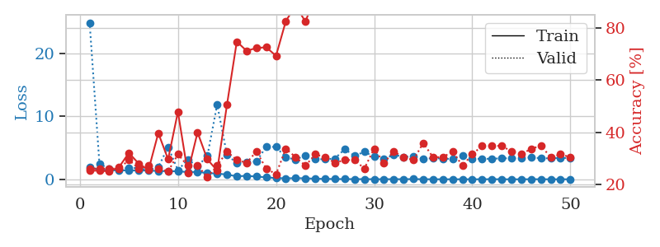
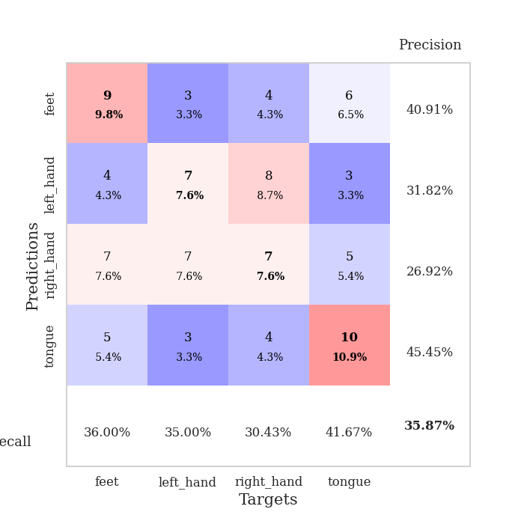
train_loss | valid_loss | train_accuracy | valid_accuracy | dur | train_misclass | valid_misclass
1.9064220501 | 24.827592933 | 0.2527173913 | 0.26086956522 | 1.1535160542 | 25.27173913 | 26.086956522
1.5076205368 | 2.4558776565 | 0.2527173913 | 0.26086956522 | 1.1483433247 | 25.27173913 | 26.086956522
1.415228797 | 1.6571683676 | 0.25 | 0.26086956522 | 1.1498744488 | 25 | 26.086956522
1.4314635318 | 1.5247614902 | 0.26630434783 | 0.26086956522 | 1.1497638226 | 26.630434783 | 26.086956522
1.3973534626 | 1.85031215 | 0.32065217391 | 0.29347826087 | 1.1490502357 | 32.065217391 | 29.347826087
1.3947976517 | 1.740809508 | 0.27989130435 | 0.26086956522 | 1.1493313313 | 27.989130435 | 26.086956522
1.3897912969 | 1.4860825124 | 0.25543478261 | 0.27173913043 | 1.1493804455 | 25.543478261 | 27.173913043
1.3125731012 | 1.9341937822 | 0.39673913043 | 0.26086956522 | 1.1491668224 | 39.673913043 | 26.086956522
1.2934028273 | 5.1070195903 | 0.29619565217 | 0.25 | 1.1496837139 | 29.619565217 | 25
1.263121579 | 1.4504479895 | 0.47826086957 | 0.3152173913 | 1.1500952244 | 47.826086957 | 31.52173913
1.1440371793 | 3.1156632382 | 0.24456521739 | 0.27173913043 | 1.14920187 | 24.456521739 | 27.173913043
1.1676786101 | 2.061702153 | 0.39945652174 | 0.27173913043 | 1.1482357979 | 39.945652174 | 27.173913043
0.9853835987 | 3.6934559034 | 0.29619565217 | 0.22826086957 | 1.1470885277 | 29.619565217 | 22.826086957
0.91642478238 | 11.853620239 | 0.2527173913 | 0.27173913043 | 1.1484107971 | 25.27173913 | 27.173913043
0.74110257366 | 3.8632281034 | 0.50543478261 | 0.32608695652 | 1.1489536762 | 50.543478261 | 32.608695652
0.48006438691 | 2.5738387574 | 0.7472826087 | 0.29347826087 | 1.1487019062 | 74.72826087 | 29.347826087
0.54643589776 | 2.7492071338 | 0.71195652174 | 0.28260869565 | 1.1477036476 | 71.195652174 | 28.260869565
0.43523981714 | 2.8067003385 | 0.72282608696 | 0.32608695652 | 1.1488571167 | 72.282608696 | 32.608695652
0.30566396078 | 5.1709248812 | 0.72554347826 | 0.26086956522 | 1.1488349438 | 72.554347826 | 26.086956522
0.19480372577 | 5.1242161834 | 0.69293478261 | 0.23913043478 | 1.1496899128 | 69.293478261 | 23.913043478
0.15559907581 | 3.4504452374 | 0.82608695652 | 0.33695652174 | 1.1501398087 | 82.608695652 | 33.695652174
0.17910817261 | 3.1252712892 | 0.88586956522 | 0.30434782609 | 1.1508452892 | 88.586956522 | 30.434782609
0.16098948483 | 3.8081510171 | 0.82336956522 | 0.27173913043 | 1.1491930485 | 82.336956522 | 27.173913043
0.088818495324 | 3.1926190231 | 0.92663043478 | 0.3152173913 | 1.1500020027 | 92.663043478 | 31.52173913
0.068390975099 | 3.1729925612 | 1 | 0.30434782609 | 1.1499714851 | 100 | 30.434782609
0.044261897125 | 3.2904324843 | 0.99184782609 | 0.28260869565 | 1.150739193 | 99.184782609 | 28.260869565
0.034846676311 | 4.7837184719 | 0.96739130435 | 0.29347826087 | 1.1494474411 | 96.739130435 | 29.347826087
0.029034812444 | 3.7048267074 | 0.98641304348 | 0.29347826087 | 1.1508815289 | 98.641304348 | 29.347826087
0.02716499108 | 4.3590831964 | 0.9972826087 | 0.26086956522 | 1.149939537 | 99.72826087 | 26.086956522
0.017067718985 | 3.5618838746 | 1 | 0.33695652174 | 1.1511273384 | 100 | 33.695652174
0.015386577602 | 3.1985806071 | 1 | 0.28260869565 | 1.1504890919 | 100 | 28.260869565
0.023241083806 | 3.9102521357 | 1 | 0.32608695652 | 1.151314497 | 100 | 32.608695652
0.017080217501 | 3.5333467463 | 1 | 0.30434782609 | 1.1512701511 | 100 | 30.434782609
0.035190557853 | 3.6773749849 | 1 | 0.29347826087 | 1.1500413418 | 100 | 29.347826087
0.012523951816 | 3.2291368713 | 1 | 0.35869565217 | 1.1513571739 | 100 | 35.869565217
0.0098041265813 | 3.3486492841 | 1 | 0.30434782609 | 1.1497552395 | 100 | 30.434782609
0.0055296706699 | 3.2913490171 | 1 | 0.30434782609 | 1.1499025822 | 100 | 30.434782609
0.006560016469 | 3.2049400184 | 1 | 0.32608695652 | 1.1497733593 | 100 | 32.608695652
0.0098559847228 | 3.7634630825 | 1 | 0.27173913043 | 1.1494495869 | 100 | 27.173913043
0.0073629645517 | 3.2257818554 | 1 | 0.3152173913 | 1.1498112679 | 100 | 31.52173913
0.0066619027272 | 3.2489973669 | 1 | 0.34782608696 | 1.1497137547 | 100 | 34.782608696
0.020758155828 | 3.2539027256 | 1 | 0.34782608696 | 1.1504161358 | 100 | 34.782608696
0.0058004712387 | 3.3244319066 | 1 | 0.34782608696 | 1.1498329639 | 100 | 34.782608696
0.002548200034 | 3.3224740132 | 1 | 0.32608695652 | 1.1498100758 | 100 | 32.608695652
0.0018048347872 | 3.3156547132 | 1 | 0.3152173913 | 1.1518285275 | 100 | 31.52173913
0.01529479695 | 3.4567033104 | 1 | 0.33695652174 | 1.1507394314 | 100 | 33.695652174
0.010834989366 | 3.3447756042 | 1 | 0.34782608696 | 1.1506597996 | 100 | 34.782608696
0.0027675933961 | 3.3129069701 | 1 | 0.30434782609 | 1.150578022 | 100 | 30.434782609
0.0051990726851 | 3.4132396553 | 1 | 0.3152173913 | 1.1517372131 | 100 | 31.52173913
0.0078827960236 | 3.3335018676 | 1 | 0.30434782609 | 1.1506650448 | 100 | 30.434782609

Best Val accuracy is 0.358695652173913 and Best test accuracy is 0.27586206896551724

Sheet4
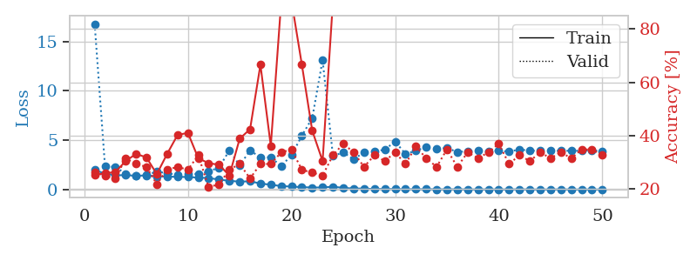
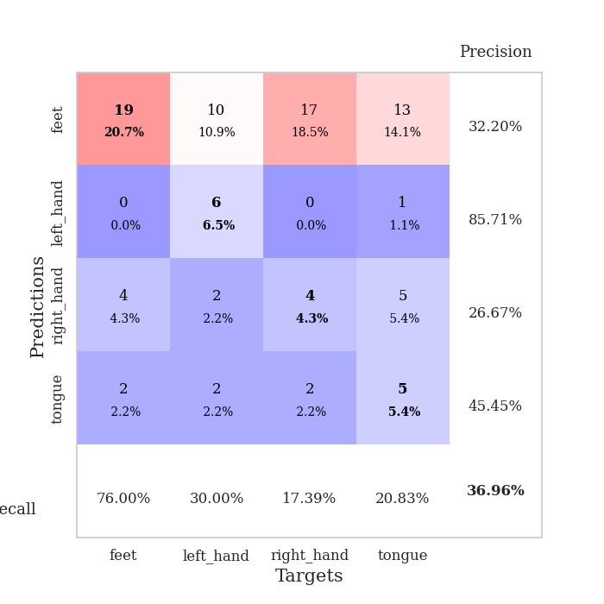
train_loss | valid_loss | train_accuracy | valid_accuracy | dur | train_misclass | valid_misclass
1.9864208646 | 16.79420919 | 0.2527173913 | 0.26086956522 | 1.1518013477 | 25.27173913 | 26.086956522
1.6004796235 | 2.340871956 | 0.25815217391 | 0.25 | 1.1479327679 | 25.815217391 | 25
1.4504892515 | 2.2846620497 | 0.26358695652 | 0.23913043478 | 1.1490159035 | 26.358695652 | 23.913043478
1.4440639848 | 1.6074570832 | 0.30434782609 | 0.3152173913 | 1.1484985352 | 30.434782609 | 31.52173913
1.4038150414 | 1.41911389 | 0.33152173913 | 0.29347826087 | 1.1490366459 | 33.152173913 | 29.347826087
1.4127017311 | 1.4591090213 | 0.31793478261 | 0.28260869565 | 1.1486959457 | 31.793478261 | 28.260869565
1.3445663038 | 1.8151882835 | 0.25543478261 | 0.21739130435 | 1.1491363049 | 25.543478261 | 21.739130435
1.3224117911 | 1.6477658904 | 0.33152173913 | 0.27173913043 | 1.1485536098 | 33.152173913 | 27.173913043
1.2690945086 | 1.4915610759 | 0.40217391304 | 0.28260869565 | 1.1492598057 | 40.217391304 | 28.260869565
1.2749053603 | 1.5942810359 | 0.41032608696 | 0.27173913043 | 1.1496789455 | 41.032608696 | 27.173913043
1.2014050069 | 1.5680253765 | 0.3152173913 | 0.32608695652 | 1.1491630077 | 31.52173913 | 32.608695652
1.1651959056 | 1.8212766958 | 0.29619565217 | 0.20652173913 | 1.149228096 | 29.619565217 | 20.652173913
1.010016532 | 2.2285257733 | 0.29076086957 | 0.21739130435 | 1.1491513252 | 29.076086957 | 21.739130435
0.87700754663 | 3.9539087026 | 0.25 | 0.27173913043 | 1.1495900154 | 25 | 27.173913043
0.79649833881 | 2.4403912399 | 0.38858695652 | 0.29347826087 | 1.1502950191 | 38.858695652 | 29.347826087
0.83290714544 | 3.9655422024 | 0.42391304348 | 0.23913043478 | 1.1490221024 | 42.391304348 | 23.913043478
0.60464167206 | 3.241290673 | 0.66576086957 | 0.29347826087 | 1.14960289 | 66.576086957 | 29.347826087
0.48302594346 | 3.2688553852 | 0.36141304348 | 0.29347826087 | 1.1501131058 | 36.141304348 | 29.347826087
0.34568556625 | 2.3791706562 | 0.89945652174 | 0.33695652174 | 1.1493635178 | 89.945652174 | 33.695652174
0.29556626341 | 3.470463929 | 0.90489130435 | 0.34782608696 | 1.1506459713 | 90.489130435 | 34.782608696
0.23928740232 | 5.4608138437 | 0.66576086957 | 0.27173913043 | 1.1507658958 | 66.576086957 | 27.173913043
0.2009768337 | 7.2411335862 | 0.41847826087 | 0.26086956522 | 1.1490893364 | 41.847826087 | 26.086956522
0.2031353018 | 13.126068343 | 0.30434782609 | 0.25 | 1.1502661705 | 30.434782609 | 25
0.28898431426 | 3.3876620998 | 0.90489130435 | 0.32608695652 | 1.1497735977 | 90.489130435 | 32.608695652
0.15881126058 | 3.7758708415 | 0.90217391304 | 0.36956521739 | 1.1503596306 | 90.217391304 | 36.956521739
0.10074466864 | 3.039978017 | 0.97010869565 | 0.33695652174 | 1.1503641605 | 97.010869565 | 33.695652174
0.089397268572 | 3.7997278338 | 0.86956521739 | 0.28260869565 | 1.1496090889 | 86.956521739 | 28.260869565
0.046888583562 | 3.8307369274 | 0.98913043478 | 0.32608695652 | 1.1504049301 | 98.913043478 | 32.608695652
0.054507100833 | 4.0528983448 | 0.98641304348 | 0.30434782609 | 1.1500487328 | 98.641304348 | 30.434782609
0.038789119976 | 4.8628419897 | 0.99184782609 | 0.33695652174 | 1.1504719257 | 99.184782609 | 33.695652174
0.03047974353 | 3.6084725235 | 0.99456521739 | 0.29347826087 | 1.1499612331 | 99.456521739 | 29.347826087
0.027064344198 | 3.9258075797 | 1 | 0.35869565217 | 1.1503489017 | 100 | 35.869565217
0.030892754885 | 4.3157747414 | 1 | 0.3152173913 | 1.1501202583 | 100 | 31.52173913
0.023993065479 | 4.0887202387 | 0.99184782609 | 0.28260869565 | 1.1497676373 | 99.184782609 | 28.260869565
0.014814833943 | 4.2253074646 | 1 | 0.34782608696 | 1.150021553 | 100 | 34.782608696
0.025949112803 | 3.7910807858 | 1 | 0.28260869565 | 1.1507225037 | 100 | 28.260869565
0.010819820353 | 3.8923033009 | 1 | 0.33695652174 | 1.1499550343 | 100 | 33.695652174
0.010711417539 | 3.9145161069 | 1 | 0.3152173913 | 1.150282383 | 100 | 31.52173913
0.017372705498 | 3.890255928 | 1 | 0.33695652174 | 1.1507225037 | 100 | 33.695652174
0.012559553598 | 3.9175605463 | 1 | 0.36956521739 | 1.1505200863 | 100 | 36.956521739
0.0093767127103 | 3.8501812064 | 1 | 0.29347826087 | 1.1500937939 | 100 | 29.347826087
0.021132783433 | 4.0544050673 | 1 | 0.32608695652 | 1.1510062218 | 100 | 32.608695652
0.011253700187 | 3.946849709 | 1 | 0.30434782609 | 1.1517708302 | 100 | 30.434782609
0.0053421788161 | 3.9148642809 | 1 | 0.33695652174 | 1.1504616737 | 100 | 33.695652174
0.010391255502 | 3.9333582028 | 1 | 0.3152173913 | 1.1508021355 | 100 | 31.52173913
0.015863711629 | 3.928934626 | 1 | 0.33695652174 | 1.1515834332 | 100 | 33.695652174
0.0078111489951 | 3.9246330365 | 1 | 0.3152173913 | 1.1508893967 | 100 | 31.52173913
0.0061738175269 | 3.9253529777 | 1 | 0.34782608696 | 1.151260376 | 100 | 34.782608696
0.009909393486 | 3.9688239409 | 1 | 0.34782608696 | 1.152121067 | 100 | 34.782608696
0.0061431986168 | 3.8961481944 | 1 | 0.32608695652 | 1.1520085335 | 100 | 32.608695652

Best Val accuracy is 0.3695652173913043 and Best test accuracy is 0.25862068965517243

Sheet5
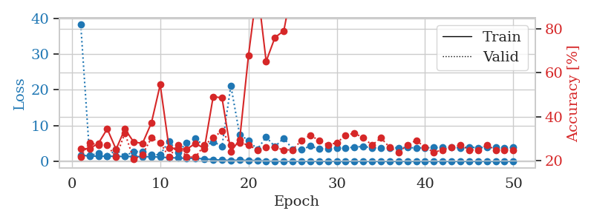
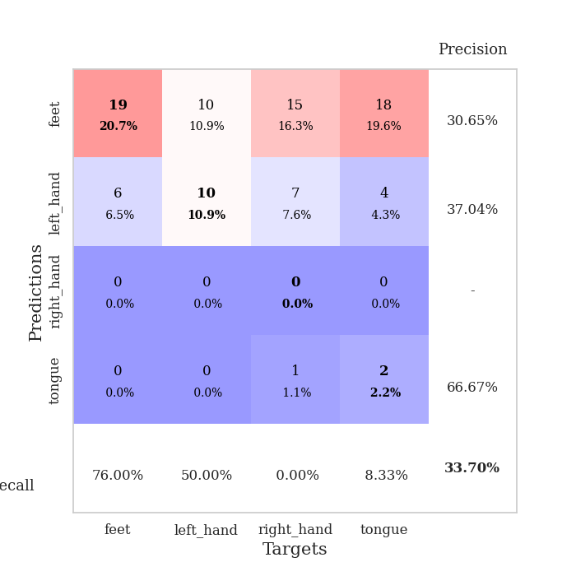
train_loss | valid_loss | train_accuracy | valid_accuracy | dur | train_misclass | valid_misclass
1.7630203289 | 38.258265454 | 0.25543478261 | 0.21739130435 | 1.1515676975 | 25.543478261 | 21.739130435
1.4686806668 | 1.6313211451 | 0.25543478261 | 0.28260869565 | 1.1469860077 | 25.543478261 | 28.260869565
1.4568561523 | 2.2551900097 | 0.27989130435 | 0.27173913043 | 1.1485757828 | 27.989130435 | 27.173913043
1.4506507956 | 1.397231895 | 0.34510869565 | 0.27173913043 | 1.1486957073 | 34.510869565 | 27.173913043
1.4093953527 | 3.2198534426 | 0.2527173913 | 0.21739130435 | 1.1490259171 | 25.27173913 | 21.739130435
1.366001777 | 1.4656799565 | 0.34510869565 | 0.32608695652 | 1.1495363712 | 34.510869565 | 32.608695652
1.3389079726 | 2.7706645157 | 0.28532608696 | 0.20652173913 | 1.1500041485 | 28.532608696 | 20.652173913
1.3054289507 | 2.6352199161 | 0.27989130435 | 0.22826086957 | 1.1496326923 | 27.989130435 | 22.826086957
1.2863025225 | 1.8382146099 | 0.3722826087 | 0.30434782609 | 1.1492278576 | 37.22826087 | 30.434782609
1.1853528334 | 1.8797643496 | 0.54619565217 | 0.28260869565 | 1.1494941711 | 54.619565217 | 28.260869565
1.0223636835 | 5.6835044985 | 0.25815217391 | 0.21739130435 | 1.1491529942 | 25.815217391 | 21.739130435
0.94490345924 | 2.5831086532 | 0.25543478261 | 0.27173913043 | 1.1494293213 | 25.543478261 | 27.173913043
0.85109997314 | 5.1618854067 | 0.2527173913 | 0.21739130435 | 1.1487460136 | 25.27173913 | 21.739130435
0.87279288665 | 6.3626581897 | 0.27989130435 | 0.21739130435 | 1.1492769718 | 27.989130435 | 21.739130435
0.69694837798 | 4.251624833 | 0.25543478261 | 0.27173913043 | 1.1515221596 | 25.543478261 | 27.173913043
0.4653922449 | 5.476218265 | 0.49184782609 | 0.30434782609 | 1.1501049995 | 49.184782609 | 30.434782609
0.33917974098 | 4.2345346368 | 0.48641304348 | 0.33695652174 | 1.1496686935 | 48.641304348 | 33.695652174
0.25208718929 | 21.19014458 | 0.24184782609 | 0.27173913043 | 1.1512131691 | 24.184782609 | 27.173913043
0.34051691174 | 7.4460700077 | 0.29619565217 | 0.28260869565 | 1.1497733593 | 29.619565217 | 28.260869565
0.23170160502 | 5.8696552567 | 0.67934782609 | 0.27173913043 | 1.1508533955 | 67.934782609 | 27.173913043
0.23952111934 | 3.3925569783 | 0.99184782609 | 0.25 | 1.1504976749 | 99.184782609 | 25
0.09800109903 | 6.7783447556 | 0.65217391304 | 0.26086956522 | 1.1531164646 | 65.217391304 | 26.086956522
0.045973715747 | 4.1301702624 | 0.76086956522 | 0.26086956522 | 1.1494176388 | 76.086956522 | 26.086956522
0.01803616651 | 6.5103961281 | 0.79076086957 | 0.25 | 1.1496789455 | 79.076086957 | 25
0.016029926361 | 3.3739304491 | 1 | 0.25 | 1.1500961781 | 100 | 25
0.013649659325 | 3.2900174079 | 1 | 0.29347826087 | 1.1500844955 | 100 | 29.347826087
0.008240243296 | 4.2699442221 | 1 | 0.3152173913 | 1.1501512527 | 100 | 31.52173913
0.0087544858916 | 3.4889525642 | 1 | 0.29347826087 | 1.150570631 | 100 | 29.347826087
0.0088389987865 | 3.6204671549 | 1 | 0.27173913043 | 1.1499993801 | 100 | 27.173913043
0.017771343782 | 3.8158166823 | 1 | 0.28260869565 | 1.1501889229 | 100 | 28.260869565
0.0054796158144 | 3.6335675613 | 1 | 0.3152173913 | 1.1497094631 | 100 | 31.52173913
0.0097504909753 | 4.0417723345 | 1 | 0.32608695652 | 1.1497776508 | 100 | 32.608695652
0.0036516979871 | 4.1473103088 | 1 | 0.30434782609 | 1.1499016285 | 100 | 30.434782609
0.0015855344827 | 3.8258530161 | 1 | 0.27173913043 | 1.1496801376 | 100 | 27.173913043
0.0025851522957 | 3.724465422 | 1 | 0.30434782609 | 1.1512351036 | 100 | 30.434782609
0.0030775371731 | 3.7756689631 | 1 | 0.26086956522 | 1.1509923935 | 100 | 26.086956522
0.001792541788 | 3.828618371 | 1 | 0.23913043478 | 1.1506750584 | 100 | 23.913043478
0.0031256415462 | 3.876526874 | 1 | 0.27173913043 | 1.1513326168 | 100 | 27.173913043
0.0055303780967 | 3.7350339164 | 1 | 0.29347826087 | 1.1518390179 | 100 | 29.347826087
0.0024159407786 | 3.7964480753 | 1 | 0.26086956522 | 1.1509318352 | 100 | 26.086956522
0.0021731289832 | 3.8375797168 | 1 | 0.23913043478 | 1.1520860195 | 100 | 23.913043478
0.0031138432561 | 3.8478963271 | 1 | 0.25 | 1.1513843536 | 100 | 25
0.0023224260898 | 3.9002297858 | 1 | 0.26086956522 | 1.1510210037 | 100 | 26.086956522
0.00086554028119 | 3.810971457 | 1 | 0.27173913043 | 1.1517145634 | 100 | 27.173913043
0.0034990588756 | 3.9556961474 | 1 | 0.25 | 1.1515798569 | 100 | 25
0.00095402641265 | 3.8336330186 | 1 | 0.25 | 1.1514410973 | 100 | 25
0.0063987961014 | 3.9367124205 | 1 | 0.27173913043 | 1.1512434483 | 100 | 27.173913043
0.001801736482 | 3.9309007292 | 1 | 0.25 | 1.1524114609 | 100 | 25
0.0017626830554 | 3.8293138587 | 1 | 0.25 | 1.1516358852 | 100 | 25
0.0029133555306 | 3.8354859145 | 1 | 0.25 | 1.1527242661 | 100 | 25

Best Val accuracy is 0.33695652173913043 and Best test accuracy is 0.3017241379310345

Sheet6
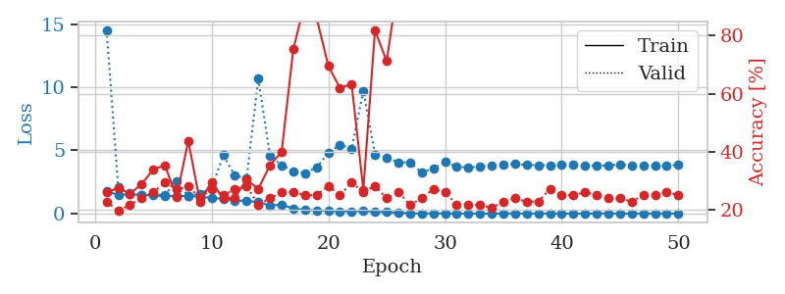
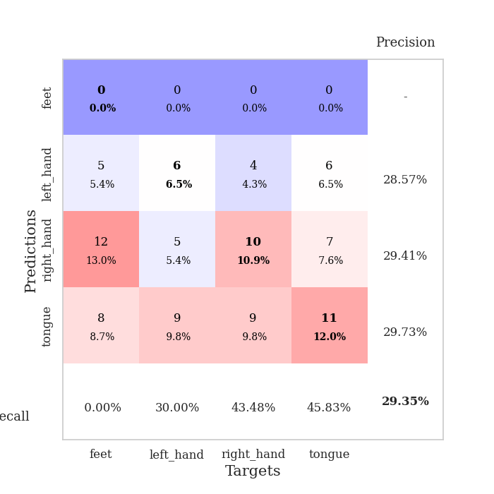
train_loss | valid_loss | train_accuracy | valid_accuracy | dur | train_misclass | valid_misclass
1.7514057315 | 14.515230842 | 0.26086956522 | 0.22826086957 | 1.1514794827 | 26.086956522 | 22.826086957
1.4898309138 | 2.0512334678 | 0.27445652174 | 0.19565217391 | 1.1507587433 | 27.445652174 | 19.565217391
1.5180042101 | 1.5885580985 | 0.25543478261 | 0.21739130435 | 1.1499102116 | 25.543478261 | 21.739130435
1.4785035745 | 1.4510033856 | 0.28804347826 | 0.23913043478 | 1.1493058205 | 28.804347826 | 23.913043478
1.4363165783 | 1.5263789892 | 0.33967391304 | 0.26086956522 | 1.1505475044 | 33.967391304 | 26.086956522
1.3735203121 | 1.4770578923 | 0.35326086957 | 0.29347826087 | 1.1494190693 | 35.326086957 | 29.347826087
1.3910716513 | 2.5872149571 | 0.24456521739 | 0.27173913043 | 1.147911787 | 24.456521739 | 27.173913043
1.3963178137 | 1.4072528145 | 0.4375 | 0.28260869565 | 1.1492609978 | 43.75 | 28.260869565
1.3390204233 | 1.5774518251 | 0.22826086957 | 0.23913043478 | 1.1492943764 | 22.826086957 | 23.913043478
1.2312279266 | 2.0322839384 | 0.29619565217 | 0.27173913043 | 1.1500573158 | 29.619565217 | 27.173913043
1.1750172584 | 4.6127630524 | 0.23913043478 | 0.25 | 1.1499769688 | 23.913043478 | 25
1.0134167282 | 3.0084618382 | 0.24184782609 | 0.27173913043 | 1.1497161388 | 24.184782609 | 27.173913043
1.0248489613 | 2.7930429811 | 0.30434782609 | 0.28260869565 | 1.1493234634 | 30.434782609 | 28.260869565
0.88922527821 | 10.682169956 | 0.27173913043 | 0.21739130435 | 1.1495518684 | 27.173913043 | 21.739130435
0.6457253552 | 4.5930387248 | 0.35326086957 | 0.23913043478 | 1.1490528584 | 35.326086957 | 23.913043478
0.69504509413 | 3.8296479557 | 0.39945652174 | 0.26086956522 | 1.1491107941 | 39.945652174 | 26.086956522
0.40667392184 | 3.3620972737 | 0.7527173913 | 0.26086956522 | 1.148389101 | 75.27173913 | 26.086956522
0.28061467474 | 3.2061237356 | 0.91576086957 | 0.25 | 1.1488797665 | 91.576086957 | 25
0.2541248915 | 3.654598516 | 0.86141304348 | 0.25 | 1.1489727497 | 86.141304348 | 25
0.2229146329 | 4.7988051124 | 0.69565217391 | 0.28260869565 | 1.1489036083 | 69.565217391 | 28.260869565
0.17667488608 | 5.4538585621 | 0.61956521739 | 0.25 | 1.1489434242 | 61.956521739 | 25
0.16638330718 | 5.1306867185 | 0.63315217391 | 0.29347826087 | 1.1489498615 | 63.315217391 | 29.347826087
0.20743459463 | 9.7297091277 | 0.26902173913 | 0.26086956522 | 1.1491394043 | 26.902173913 | 26.086956522
0.13628088873 | 4.6781182289 | 0.81793478261 | 0.28260869565 | 1.1496100426 | 81.793478261 | 28.260869565
0.11486141019 | 4.395074523 | 0.71195652174 | 0.23913043478 | 1.1497044563 | 71.195652174 | 23.913043478
0.067841790738 | 4.054974048 | 0.98369565217 | 0.26086956522 | 1.1502797604 | 98.369565217 | 26.086956522
0.021480341867 | 4.0562580772 | 0.9375 | 0.21739130435 | 1.1507179737 | 93.75 | 21.739130435
0.015326668711 | 3.2584712505 | 1 | 0.23913043478 | 1.1501495838 | 100 | 23.913043478
0.017445624431 | 3.5756754046 | 1 | 0.27173913043 | 1.1504380703 | 100 | 27.173913043
0.01624116713 | 4.0752956142 | 1 | 0.26086956522 | 1.1503629684 | 100 | 26.086956522
0.005941364117 | 3.723871739 | 1 | 0.21739130435 | 1.1502940655 | 100 | 21.739130435
0.0049042530262 | 3.6363961697 | 1 | 0.21739130435 | 1.1516644955 | 100 | 21.739130435
0.0055073545259 | 3.7511320943 | 1 | 0.21739130435 | 1.1501255035 | 100 | 21.739130435
0.0039400847011 | 3.795316945 | 1 | 0.20652173913 | 1.1506342888 | 100 | 20.652173913
0.0093609873135 | 3.8887488324 | 1 | 0.22826086957 | 1.1509838104 | 100 | 22.826086957
0.0099849546121 | 3.9135194239 | 1 | 0.23913043478 | 1.1502752304 | 100 | 23.913043478
0.0059202451679 | 3.8611319791 | 1 | 0.22826086957 | 1.1500091553 | 100 | 22.826086957
0.011250733064 | 3.8277837712 | 1 | 0.22826086957 | 1.1512639523 | 100 | 22.826086957
0.0067175795494 | 3.8237044915 | 1 | 0.27173913043 | 1.1502518654 | 100 | 27.173913043
0.0019522934023 | 3.8361640702 | 1 | 0.25 | 1.1506826878 | 100 | 25
0.0053648160133 | 3.8472920708 | 1 | 0.25 | 1.1501948833 | 100 | 25
0.002049965007 | 3.7833667423 | 1 | 0.26086956522 | 1.1505663395 | 100 | 26.086956522
0.0062334131925 | 3.7983577977 | 1 | 0.25 | 1.1509668827 | 100 | 25
0.0043829454902 | 3.8031006067 | 1 | 0.23913043478 | 1.1514885426 | 100 | 23.913043478
0.0044339094893 | 3.8905721747 | 1 | 0.23913043478 | 1.1516969204 | 100 | 23.913043478
0.0039818485232 | 3.7965912404 | 1 | 0.22826086957 | 1.1514000893 | 100 | 22.826086957
0.0021712693307 | 3.808514906 | 1 | 0.25 | 1.1513228416 | 100 | 25
0.0044451602975 | 3.7620716924 | 1 | 0.25 | 1.1514000893 | 100 | 25
0.0050026306556 | 3.8006591382 | 1 | 0.26086956522 | 1.1507923603 | 100 | 26.086956522
0.0038232425501 | 3.8394450105 | 1 | 0.25 | 1.1510365009 | 100 | 25

Best Val accuracy is 0.29347826086956524 and Best test accuracy is 0.3103448275862069

Sheet7
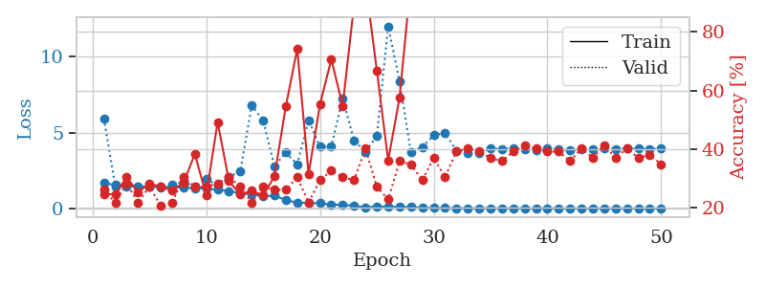
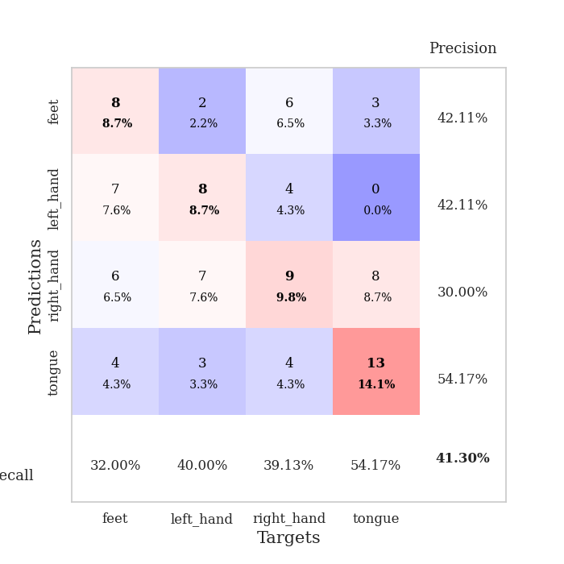
train_loss | valid_loss | train_accuracy | valid_accuracy | dur | train_misclass | valid_misclass
1.6672304402 | 5.9260953406 | 0.2472826087 | 0.26086956522 | 1.1548168659 | 24.72826087 | 26.086956522
1.5351712859 | 1.4561120116 | 0.24456521739 | 0.21739130435 | 1.1486251354 | 24.456521739 | 21.739130435
1.5065702926 | 1.4643856753 | 0.30434782609 | 0.28260869565 | 1.1493382454 | 30.434782609 | 28.260869565
1.4254806456 | 1.4608832909 | 0.2527173913 | 0.21739130435 | 1.1487953663 | 25.27173913 | 21.739130435
1.4295916661 | 1.4404473875 | 0.28260869565 | 0.27173913043 | 1.1497371197 | 28.260869565 | 27.173913043
1.400739364 | 1.4225602202 | 0.27173913043 | 0.20652173913 | 1.1495451927 | 27.173913043 | 20.652173913
1.3951274934 | 1.5551849448 | 0.25815217391 | 0.21739130435 | 1.1487345695 | 25.815217391 | 21.739130435
1.3725640774 | 1.745359286 | 0.28532608696 | 0.30434782609 | 1.1486315727 | 28.532608696 | 30.434782609
1.3368324197 | 1.4300385765 | 0.38315217391 | 0.27173913043 | 1.1510903835 | 38.315217391 | 27.173913043
1.2961901478 | 1.9372176398 | 0.24184782609 | 0.27173913043 | 1.1485536098 | 24.184782609 | 27.173913043
1.223172237 | 1.5090919629 | 0.49184782609 | 0.28260869565 | 1.1497790813 | 49.184782609 | 28.260869565
1.1488766541 | 2.0655153731 | 0.29076086957 | 0.30434782609 | 1.1495370865 | 29.076086957 | 30.434782609
0.98659214766 | 2.4496139132 | 0.24456521739 | 0.27173913043 | 1.1505000591 | 24.456521739 | 27.173913043
0.93736463526 | 6.7759469903 | 0.25815217391 | 0.21739130435 | 1.1487588882 | 25.815217391 | 21.739130435
0.78083602242 | 5.7988865065 | 0.24184782609 | 0.27173913043 | 1.1516575813 | 24.184782609 | 27.173913043
0.84911391269 | 2.7801876586 | 0.30706521739 | 0.26086956522 | 1.1506357193 | 30.706521739 | 26.086956522
0.53642383088 | 3.6780324086 | 0.54619565217 | 0.26086956522 | 1.1510512829 | 54.619565217 | 26.086956522
0.38360439306 | 2.9040887045 | 0.74184782609 | 0.30434782609 | 1.1498203278 | 74.184782609 | 30.434782609
0.34767440026 | 5.8122662461 | 0.3152173913 | 0.21739130435 | 1.1516163349 | 31.52173913 | 21.739130435
0.34160714758 | 4.0577317943 | 0.55163043478 | 0.29347826087 | 1.1504468918 | 55.163043478 | 29.347826087
0.23346514644 | 4.1013706249 | 0.70652173913 | 0.32608695652 | 1.1501405239 | 70.652173913 | 32.608695652
0.23672322087 | 7.2321184407 | 0.54619565217 | 0.30434782609 | 1.150537014 | 54.619565217 | 30.434782609
0.16334591531 | 4.4766349792 | 0.89402173913 | 0.29347826087 | 1.1506149769 | 89.402173913 | 29.347826087
0.071466755486 | 3.727941399 | 0.97010869565 | 0.40217391304 | 1.1504030228 | 97.010869565 | 40.217391304
0.12323140248 | 4.7650459953 | 0.66847826087 | 0.27173913043 | 1.1503226757 | 66.847826087 | 27.173913043
0.10609213526 | 12.004811121 | 0.36141304348 | 0.22826086957 | 1.153267622 | 36.141304348 | 22.826086957
0.095468741477 | 8.3870471457 | 0.57608695652 | 0.35869565217 | 1.150626421 | 57.608695652 | 35.869565217
0.088297430892 | 3.6953649936 | 0.97554347826 | 0.34782608696 | 1.1507771015 | 97.554347826 | 34.782608696
0.043257462407 | 4.0377821093 | 0.98369565217 | 0.29347826087 | 1.1497049332 | 98.369565217 | 29.347826087
0.023486952388 | 4.822524475 | 0.99456521739 | 0.36956521739 | 1.1504981518 | 99.456521739 | 36.956521739
0.025348094171 | 4.9767474714 | 0.97826086957 | 0.30434782609 | 1.1505420208 | 97.826086957 | 30.434782609
0.010675333896 | 3.8023999359 | 1 | 0.39130434783 | 1.1508741379 | 100 | 39.130434783
0.0076536945771 | 3.6658108649 | 1 | 0.40217391304 | 1.1508607864 | 100 | 40.217391304
0.013200856434 | 3.6413952475 | 1 | 0.39130434783 | 1.1506836414 | 100 | 39.130434783
0.013862875822 | 3.9608915889 | 1 | 0.36956521739 | 1.1522314548 | 100 | 36.956521739
0.0065753707212 | 3.8953431586 | 1 | 0.35869565217 | 1.1507763863 | 100 | 35.869565217
0.0095159167895 | 3.9640849673 | 1 | 0.39130434783 | 1.1508672237 | 100 | 39.130434783
0.0050010383281 | 3.8856263783 | 1 | 0.41304347826 | 1.150963068 | 100 | 41.304347826
0.00459703099 | 3.8311242746 | 1 | 0.40217391304 | 1.149731636 | 100 | 40.217391304
0.0079794391742 | 3.9740725497 | 1 | 0.39130434783 | 1.1499097347 | 100 | 39.130434783
0.0054613916639 | 3.8717548122 | 1 | 0.39130434783 | 1.1511178017 | 100 | 39.130434783
0.0039882716399 | 3.8418296005 | 1 | 0.35869565217 | 1.1503174305 | 100 | 35.869565217
0.00934096856 | 3.8695968234 | 1 | 0.40217391304 | 1.1509716511 | 100 | 40.217391304
0.0025798741136 | 3.9125806456 | 1 | 0.36956521739 | 1.1500723362 | 100 | 36.956521739
0.0057505971446 | 3.9671781892 | 1 | 0.41304347826 | 1.1513085365 | 100 | 41.304347826
0.0030602351686 | 3.9243889373 | 1 | 0.36956521739 | 1.1506836414 | 100 | 36.956521739
0.0072142954513 | 3.9314030253 | 1 | 0.40217391304 | 1.1520559788 | 100 | 40.217391304
0.003358896203 | 3.9381994579 | 1 | 0.36956521739 | 1.1515319347 | 100 | 36.956521739
0.0045418415634 | 3.9191812847 | 1 | 0.38043478261 | 1.1519787312 | 100 | 38.043478261
0.0033084332131 | 3.9593403961 | 1 | 0.34782608696 | 1.1519310474 | 100 | 34.782608696

Best Val accuracy is 0.41304347826086957 and Best test accuracy is 0.33620689655172414

Sheet8
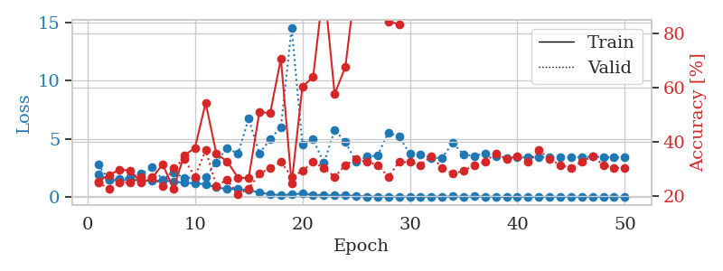
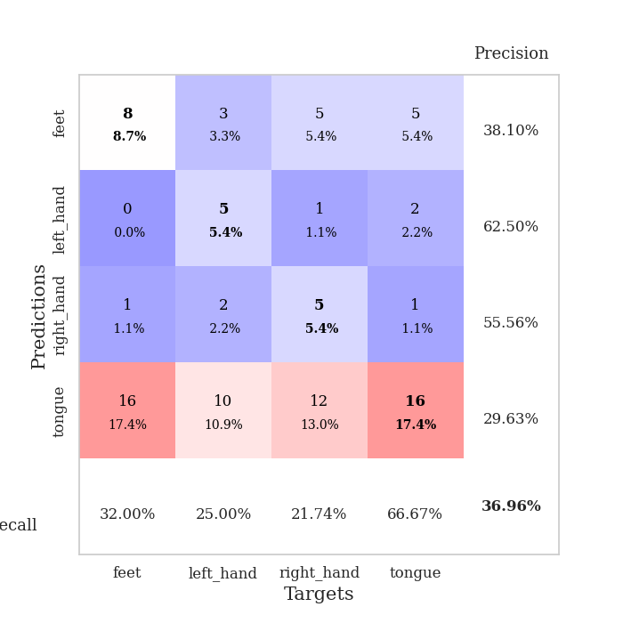
train_loss | valid_loss | train_accuracy | valid_accuracy | dur | train_misclass | valid_misclass
1.9571080622 | 2.7666590939 | 0.25543478261 | 0.25 | 1.1541132927 | 25.543478261 | 25
1.4570410563 | 1.4513566028 | 0.27717391304 | 0.22826086957 | 1.1475343704 | 27.717391304 | 22.826086957
1.4316310883 | 1.5757752553 | 0.29891304348 | 0.25 | 1.1492111683 | 29.891304348 | 25
1.4638474869 | 1.675361426 | 0.29347826087 | 0.25 | 1.1483132839 | 29.347826087 | 25
1.4123802963 | 1.9882147519 | 0.25 | 0.27173913043 | 1.1486120224 | 25 | 27.173913043
1.374027729 | 2.5378684998 | 0.26630434783 | 0.27173913043 | 1.1493241787 | 26.630434783 | 27.173913043
1.4091468842 | 1.4844915711 | 0.31793478261 | 0.23913043478 | 1.1491539478 | 31.793478261 | 23.913043478
1.3162984278 | 2.1183266951 | 0.22826086957 | 0.30434782609 | 1.1497788429 | 22.826086957 | 30.434782609
1.2228678258 | 1.6346309703 | 0.35054347826 | 0.33695652174 | 1.148059845 | 35.054347826 | 33.695652174
1.1566960552 | 1.634689357 | 0.3777173913 | 0.27173913043 | 1.1474812031 | 37.77173913 | 27.173913043
1.091936438 | 1.721081034 | 0.54347826087 | 0.36956521739 | 1.1488146782 | 54.347826087 | 36.956521739
0.81448011813 | 2.9790368391 | 0.35597826087 | 0.23913043478 | 1.149620533 | 35.597826087 | 23.913043478
0.67650280828 | 4.2155711236 | 0.32880434783 | 0.26086956522 | 1.1479358673 | 32.880434783 | 26.086956522
0.6688070064 | 3.6897656607 | 0.26902173913 | 0.20652173913 | 1.1489744186 | 26.902173913 | 20.652173913
0.59060430915 | 6.7249968363 | 0.26630434783 | 0.22826086957 | 1.1488144398 | 26.630434783 | 22.826086957
0.36698008653 | 3.7233213445 | 0.51086956522 | 0.28260869565 | 1.1500887871 | 51.086956522 | 28.260869565
0.23160749164 | 4.9488207879 | 0.50543478261 | 0.30434782609 | 1.149494648 | 50.543478261 | 30.434782609
0.13948127757 | 5.9952284564 | 0.70652173913 | 0.32608695652 | 1.1485500336 | 70.652173913 | 32.608695652
0.21615831684 | 14.496394282 | 0.2472826087 | 0.27173913043 | 1.1484367847 | 24.72826087 | 27.173913043
0.29192199752 | 4.5306203987 | 0.60326086957 | 0.29347826087 | 1.1496865749 | 60.326086957 | 29.347826087
0.19092161241 | 4.9579872463 | 0.63858695652 | 0.32608695652 | 1.1507530212 | 63.858695652 | 32.608695652
0.12894739697 | 2.9097440035 | 0.98097826087 | 0.30434782609 | 1.1506404877 | 98.097826087 | 30.434782609
0.13779208623 | 5.737262788 | 0.57608695652 | 0.27173913043 | 1.1491985321 | 57.608695652 | 27.173913043
0.12801559767 | 4.7383431766 | 0.67663043478 | 0.3152173913 | 1.1499078274 | 67.663043478 | 31.52173913
0.076376908661 | 2.9847517532 | 1 | 0.33695652174 | 1.1492087841 | 100 | 33.695652174
0.034150602397 | 3.4708849762 | 1 | 0.32608695652 | 1.150179863 | 100 | 32.608695652
0.023497117101 | 3.547262482 | 1 | 0.3152173913 | 1.1509177685 | 100 | 31.52173913
0.031091110578 | 5.5282490772 | 0.84239130435 | 0.27173913043 | 1.1506464481 | 84.239130435 | 27.173913043
0.035031349778 | 5.1847684176 | 0.83423913043 | 0.32608695652 | 1.1494519711 | 83.423913043 | 32.608695652
0.017729683025 | 3.6951508004 | 0.99456521739 | 0.32608695652 | 1.1494550705 | 99.456521739 | 32.608695652
0.025345033171 | 3.6572585417 | 1 | 0.3152173913 | 1.1498727798 | 100 | 31.52173913
0.03173806737 | 3.3194526071 | 1 | 0.34782608696 | 1.1521596909 | 100 | 34.782608696
0.024897020217 | 3.3691278852 | 1 | 0.30434782609 | 1.1509568691 | 100 | 30.434782609
0.039939001995 | 4.637104107 | 0.99184782609 | 0.28260869565 | 1.1502079964 | 99.184782609 | 28.260869565
0.0095293442364 | 3.6310427189 | 1 | 0.29347826087 | 1.1505286694 | 100 | 29.347826087
0.03610082674 | 3.5274116578 | 1 | 0.3152173913 | 1.1502985954 | 100 | 31.52173913
0.02688623163 | 3.7216175432 | 1 | 0.32608695652 | 1.1512053013 | 100 | 32.608695652
0.0068642866276 | 3.4994213374 | 1 | 0.35869565217 | 1.1533515453 | 100 | 35.869565217
0.0084333716608 | 3.3309901694 | 1 | 0.33695652174 | 1.1505782604 | 100 | 33.695652174
0.0067975687688 | 3.4083226556 | 1 | 0.34782608696 | 1.1509501934 | 100 | 34.782608696
0.0053551320882 | 3.3922920123 | 1 | 0.32608695652 | 1.1508812904 | 100 | 32.608695652
0.0052522030234 | 3.3876754616 | 1 | 0.36956521739 | 1.1509315968 | 100 | 36.956521739
0.017633425085 | 3.400048795 | 1 | 0.33695652174 | 1.1516215801 | 100 | 33.695652174
0.0085986812812 | 3.4467875128 | 1 | 0.3152173913 | 1.1515741348 | 100 | 31.52173913
0.012226590753 | 3.3944549561 | 1 | 0.30434782609 | 1.1518373489 | 100 | 30.434782609
0.0055407809812 | 3.4158307262 | 1 | 0.32608695652 | 1.1516280174 | 100 | 32.608695652
0.012227002964 | 3.4585163282 | 1 | 0.34782608696 | 1.1522073746 | 100 | 34.782608696
0.0085963163077 | 3.4254846469 | 1 | 0.3152173913 | 1.1520802975 | 100 | 31.52173913
0.0041775896831 | 3.3810107293 | 1 | 0.30434782609 | 1.1525425911 | 100 | 30.434782609
0.0039801779583 | 3.3912811694 | 1 | 0.30434782609 | 1.1518311501 | 100 | 30.434782609

Best Val accuracy is 0.3695652173913043 and Best test accuracy is 0.35344827586206895

Sheet9
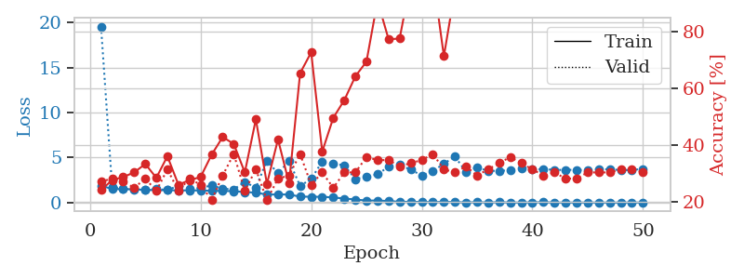
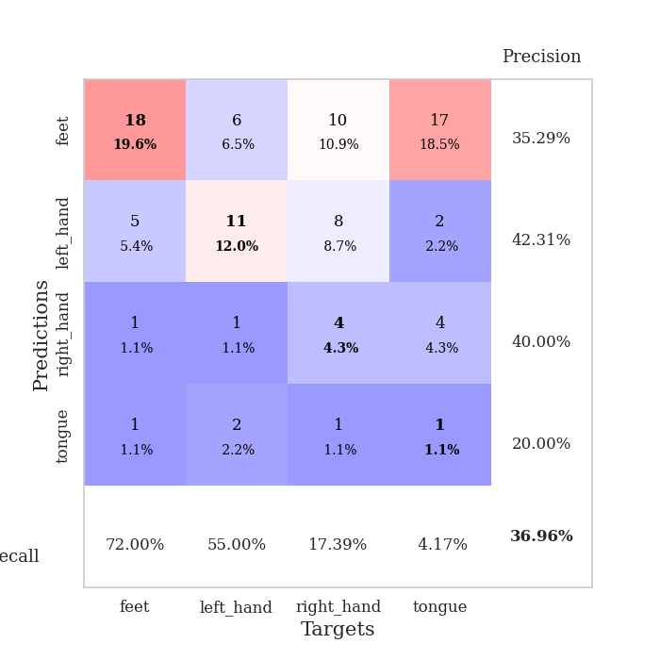
train_loss | valid_loss | train_accuracy | valid_accuracy | dur | train_misclass | valid_misclass
1.8821693711 | 19.556359498 | 0.24184782609 | 0.27173913043 | 1.1528375149 | 24.184782609 | 27.173913043
1.515059808 | 1.7736198695 | 0.27717391304 | 0.28260869565 | 1.1463825703 | 27.717391304 | 28.260869565
1.4942787523 | 1.5280336297 | 0.28804347826 | 0.27173913043 | 1.1470837593 | 28.804347826 | 27.173913043
1.4783807578 | 1.4949512274 | 0.30434782609 | 0.25 | 1.1496851444 | 30.434782609 | 25
1.4183271605 | 1.4282307417 | 0.33423913043 | 0.28260869565 | 1.1489913464 | 33.423913043 | 28.260869565
1.3857874197 | 1.5431375555 | 0.28532608696 | 0.23913043478 | 1.1488626003 | 28.532608696 | 23.913043478
1.3803500663 | 1.3932051918 | 0.36141304348 | 0.3152173913 | 1.1488602161 | 36.141304348 | 31.52173913
1.3606648912 | 1.8722118606 | 0.26086956522 | 0.23913043478 | 1.1495816708 | 26.086956522 | 23.913043478
1.359763415 | 1.4885462419 | 0.27717391304 | 0.28260869565 | 1.1490831375 | 27.717391304 | 28.260869565
1.3486278161 | 1.6299535503 | 0.28804347826 | 0.26086956522 | 1.1488773823 | 28.804347826 | 26.086956522
1.3145769835 | 1.9010409169 | 0.36684782609 | 0.20652173913 | 1.1490364075 | 36.684782609 | 20.652173913
1.2905056425 | 1.5478031998 | 0.42934782609 | 0.29347826087 | 1.14904356 | 42.934782609 | 29.347826087
1.2739357637 | 1.4734926846 | 0.40489130435 | 0.36956521739 | 1.1501572132 | 40.489130435 | 36.956521739
1.1645410087 | 2.3001713545 | 0.30434782609 | 0.23913043478 | 1.1490066051 | 30.434782609 | 23.913043478
1.1185764074 | 1.6500862319 | 0.49184782609 | 0.3152173913 | 1.1491348743 | 49.184782609 | 31.52173913
0.88283191557 | 4.6757419835 | 0.26358695652 | 0.20652173913 | 1.1493391991 | 26.358695652 | 20.652173913
0.91611864515 | 3.2425682234 | 0.42119565217 | 0.28260869565 | 1.1489152908 | 42.119565217 | 28.260869565
0.89179408032 | 4.634765822 | 0.26630434783 | 0.29347826087 | 1.1504080296 | 26.630434783 | 29.347826087
0.67084323453 | 1.8557907498 | 0.65489130435 | 0.36956521739 | 1.1500468254 | 65.489130435 | 36.956521739
0.64815772616 | 2.6286762072 | 0.72826086957 | 0.26086956522 | 1.1509442329 | 72.826086957 | 26.086956522
0.64675588582 | 4.5648172731 | 0.3777173913 | 0.30434782609 | 1.1500406265 | 37.77173913 | 30.434782609
0.57317578015 | 4.3359972705 | 0.4972826087 | 0.25 | 1.150288105 | 49.72826087 | 25
0.44845582869 | 4.1330094752 | 0.5597826087 | 0.30434782609 | 1.1502349377 | 55.97826087 | 30.434782609
0.34532115965 | 2.6151519029 | 0.64402173913 | 0.30434782609 | 1.1496260166 | 64.402173913 | 30.434782609
0.22252807701 | 2.8799094221 | 0.69565217391 | 0.35869565217 | 1.1495211124 | 69.565217391 | 35.869565217
0.23151611294 | 3.1431198638 | 0.91032608696 | 0.34782608696 | 1.1507663727 | 91.032608696 | 34.782608696
0.17280082251 | 3.9995587079 | 0.77445652174 | 0.34782608696 | 1.1502285004 | 77.445652174 | 34.782608696
0.090705348827 | 4.1810173159 | 0.77717391304 | 0.32608695652 | 1.150724411 | 77.717391304 | 32.608695652
0.089321068852 | 3.6612175859 | 0.98097826087 | 0.33695652174 | 1.1540498734 | 98.097826087 | 33.695652174
0.07414247622 | 3.0168194253 | 0.9972826087 | 0.34782608696 | 1.1503255367 | 99.72826087 | 34.782608696
0.047146398736 | 3.4884921986 | 1 | 0.36956521739 | 1.1491789818 | 100 | 36.956521739
0.087765079984 | 4.3296833453 | 0.71467391304 | 0.3152173913 | 1.1509802341 | 71.467391304 | 31.52173913
0.051939721381 | 5.1118136696 | 0.94836956522 | 0.30434782609 | 1.1508970261 | 94.836956522 | 30.434782609
0.026119495499 | 3.4267697956 | 0.99456521739 | 0.32608695652 | 1.1510550976 | 99.456521739 | 32.608695652
0.040377077019 | 3.9308008318 | 1 | 0.29347826087 | 1.1567902565 | 100 | 29.347826087
0.017219640193 | 3.5128280184 | 1 | 0.3152173913 | 1.153594017 | 100 | 31.52173913
0.044402662503 | 3.547402216 | 1 | 0.33695652174 | 1.1539859772 | 100 | 33.695652174
0.015146931441 | 3.5737991955 | 1 | 0.35869565217 | 1.1529610157 | 100 | 35.869565217
0.010244408278 | 3.7969304582 | 1 | 0.33695652174 | 1.1521451473 | 100 | 33.695652174
0.028222735698 | 3.6709299917 | 1 | 0.3152173913 | 1.1534919739 | 100 | 31.52173913
0.045045712512 | 3.73225436 | 1 | 0.29347826087 | 1.1530716419 | 100 | 29.347826087
0.011466194486 | 3.63309514 | 1 | 0.30434782609 | 1.1523351669 | 100 | 30.434782609
0.0080943233334 | 3.6379719817 | 1 | 0.28260869565 | 1.1511003971 | 100 | 28.260869565
0.0069673094499 | 3.649300824 | 1 | 0.28260869565 | 1.1526863575 | 100 | 28.260869565
0.013271651722 | 3.5902311284 | 1 | 0.30434782609 | 1.1528038979 | 100 | 30.434782609
0.0068119382131 | 3.7033931276 | 1 | 0.30434782609 | 1.1526601315 | 100 | 30.434782609
0.0047347273364 | 3.707815191 | 1 | 0.30434782609 | 1.1527733803 | 100 | 30.434782609
0.0080835492497 | 3.6142951924 | 1 | 0.3152173913 | 1.1522777081 | 100 | 31.52173913
0.014069941436 | 3.6265221264 | 1 | 0.3152173913 | 1.1525139809 | 100 | 31.52173913
0.010056234684 | 3.7489882759 | 1 | 0.30434782609 | 1.1531794071 | 100 | 30.434782609

Best Val accuracy is 0.3695652173913043 and Best test accuracy is 0.3448275862068966

Sheet10
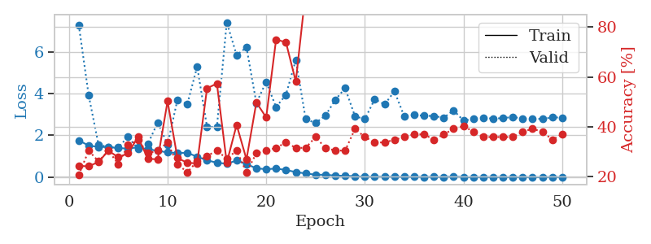
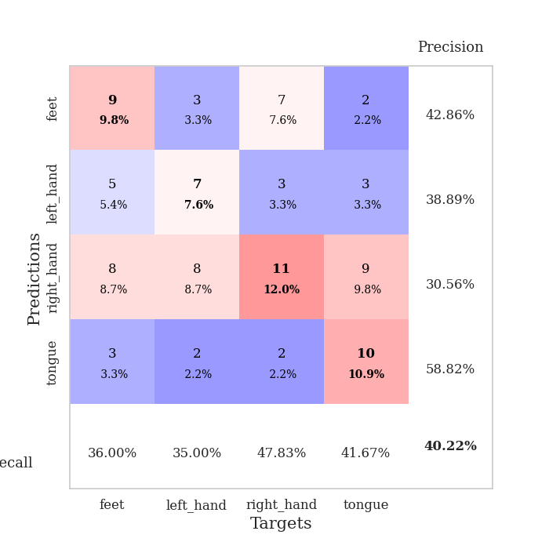
train_loss | valid_loss | train_accuracy | valid_accuracy | dur | train_misclass | valid_misclass
1.7559723491 | 7.2794179087 | 0.24184782609 | 0.20652173913 | 1.151809454 | 24.184782609 | 20.652173913
1.5138328646 | 3.9227612122 | 0.24184782609 | 0.30434782609 | 1.1483418941 | 24.184782609 | 30.434782609
1.4442168785 | 1.5526029079 | 0.25815217391 | 0.26086956522 | 1.1468787193 | 25.815217391 | 26.086956522
1.4432441255 | 1.4401142545 | 0.30434782609 | 0.30434782609 | 1.1499657631 | 30.434782609 | 30.434782609
1.3898101579 | 1.428583565 | 0.27717391304 | 0.25 | 1.1504161358 | 27.717391304 | 25
1.3694810245 | 1.9320915471 | 0.29347826087 | 0.32608695652 | 1.1508450508 | 29.347826087 | 32.608695652
1.428167452 | 1.348979556 | 0.35869565217 | 0.34782608696 | 1.149998188 | 35.869565217 | 34.782608696
1.3358595734 | 1.5859643117 | 0.27173913043 | 0.29347826087 | 1.1501574516 | 27.173913043 | 29.347826087
1.2652090036 | 2.6155053533 | 0.26902173913 | 0.30434782609 | 1.1503024101 | 26.902173913 | 30.434782609
1.1802515413 | 1.5653466556 | 0.5027173913 | 0.33695652174 | 1.1494226456 | 50.27173913 | 33.695652174
1.1604257641 | 3.7028921998 | 0.27445652174 | 0.25 | 1.1499152184 | 27.445652174 | 25
1.16589505 | 3.4941444293 | 0.25543478261 | 0.21739130435 | 1.1518793106 | 25.543478261 | 21.739130435
0.97854044126 | 5.292612252 | 0.2527173913 | 0.26086956522 | 1.1498560905 | 25.27173913 | 26.086956522
0.80454643913 | 2.4091275412 | 0.55434782609 | 0.28260869565 | 1.1500205994 | 55.434782609 | 28.260869565
0.69220607307 | 2.3969903407 | 0.57336956522 | 0.30434782609 | 1.150646925 | 57.336956522 | 30.434782609
0.6413508861 | 7.4087284752 | 0.25543478261 | 0.27173913043 | 1.1517119408 | 25.543478261 | 27.173913043
0.79682729685 | 5.8415382841 | 0.40760869565 | 0.30434782609 | 1.1502268314 | 40.760869565 | 30.434782609
0.6229320933 | 6.2121511128 | 0.26902173913 | 0.21739130435 | 1.1505231857 | 26.902173913 | 21.739130435
0.42353826826 | 3.5522658307 | 0.4972826087 | 0.29347826087 | 1.1513442993 | 49.72826087 | 29.347826087
0.37847506676 | 4.5611390238 | 0.4375 | 0.30434782609 | 1.1504485607 | 43.75 | 30.434782609
0.41237032737 | 3.3531617807 | 0.75 | 0.3152173913 | 1.150233984 | 75 | 31.52173913
0.34113880247 | 3.9440224274 | 0.73913043478 | 0.33695652174 | 1.1510066986 | 73.913043478 | 33.695652174
0.24375935879 | 5.6121781598 | 0.58152173913 | 0.3152173913 | 1.1506056786 | 58.152173913 | 31.52173913
0.1765612593 | 2.7785238701 | 0.94293478261 | 0.3152173913 | 1.1509182453 | 94.293478261 | 31.52173913
0.11837709452 | 2.5926325114 | 0.98641304348 | 0.35869565217 | 1.1508133411 | 98.641304348 | 35.869565217
0.11373184192 | 2.9460557129 | 1 | 0.3152173913 | 1.1530799866 | 100 | 31.52173913
0.076341870929 | 3.6984391731 | 0.9347826087 | 0.30434782609 | 1.1504979134 | 93.47826087 | 30.434782609
0.062896799985 | 4.2598854563 | 0.91304347826 | 0.30434782609 | 1.1509125233 | 91.304347826 | 30.434782609
0.046168002523 | 2.9138308504 | 1 | 0.39130434783 | 1.1507971287 | 100 | 39.130434783
0.019436738849 | 2.7807247224 | 1 | 0.35869565217 | 1.1521267891 | 100 | 35.869565217
0.02249724338 | 3.7320773913 | 0.9972826087 | 0.33695652174 | 1.1501779556 | 99.72826087 | 33.695652174
0.023985546163 | 3.4796669898 | 0.99456521739 | 0.33695652174 | 1.1515748501 | 99.456521739 | 33.695652174
0.018344462044 | 4.108035098 | 0.97826086957 | 0.34782608696 | 1.152172327 | 97.826086957 | 34.782608696
0.013677177227 | 2.9029570092 | 1 | 0.35869565217 | 1.152169466 | 100 | 35.869565217
0.013450586599 | 2.9718877544 | 1 | 0.36956521739 | 1.1509189606 | 100 | 36.956521739
0.01147180866 | 2.9433194192 | 1 | 0.36956521739 | 1.151610136 | 100 | 36.956521739
0.014060751112 | 2.9222843543 | 1 | 0.34782608696 | 1.151103735 | 100 | 34.782608696
0.0054935815506 | 2.84919717 | 1 | 0.36956521739 | 1.1515028477 | 100 | 36.956521739
0.032649399239 | 3.1962584724 | 1 | 0.39130434783 | 1.1515722275 | 100 | 39.130434783
0.0073462854577 | 2.7081818321 | 1 | 0.40217391304 | 1.151935339 | 100 | 40.217391304
0.0031696941688 | 2.7780262128 | 1 | 0.38043478261 | 1.1513187885 | 100 | 38.043478261
0.0077954301454 | 2.840226049 | 1 | 0.35869565217 | 1.1513252258 | 100 | 35.869565217
0.0053989570208 | 2.8027374278 | 1 | 0.35869565217 | 1.15052104 | 100 | 35.869565217
0.0051752457145 | 2.8247113072 | 1 | 0.35869565217 | 1.150357008 | 100 | 35.869565217
0.0045204726908 | 2.8795307097 | 1 | 0.35869565217 | 1.1503121853 | 100 | 35.869565217
0.0045100952456 | 2.8081735528 | 1 | 0.38043478261 | 1.1500277519 | 100 | 38.043478261
0.0031342889681 | 2.7857122369 | 1 | 0.39130434783 | 1.1505742073 | 100 | 39.130434783
0.0030670918261 | 2.790005772 | 1 | 0.38043478261 | 1.1500461102 | 100 | 38.043478261
0.010705976424 | 2.8575333098 | 1 | 0.34782608696 | 1.1510968208 | 100 | 34.782608696
0.0027471851626 | 2.8539489249 | 1 | 0.36956521739 | 1.1505050659 | 100 | 36.956521739

Best Val accuracy is 0.40217391304347827 and Best test accuracy is 0.3017241379310345

