Sheet
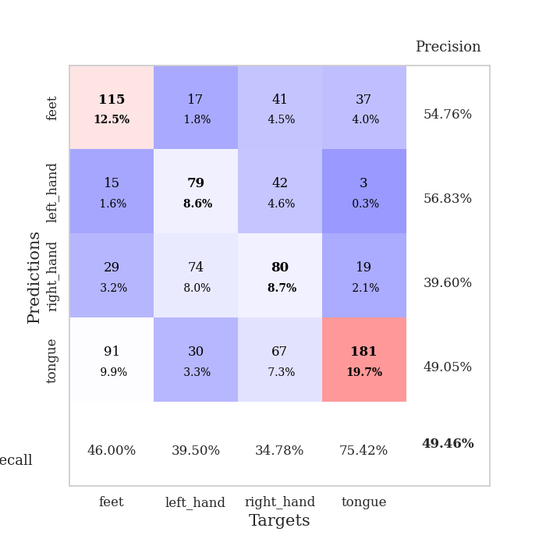
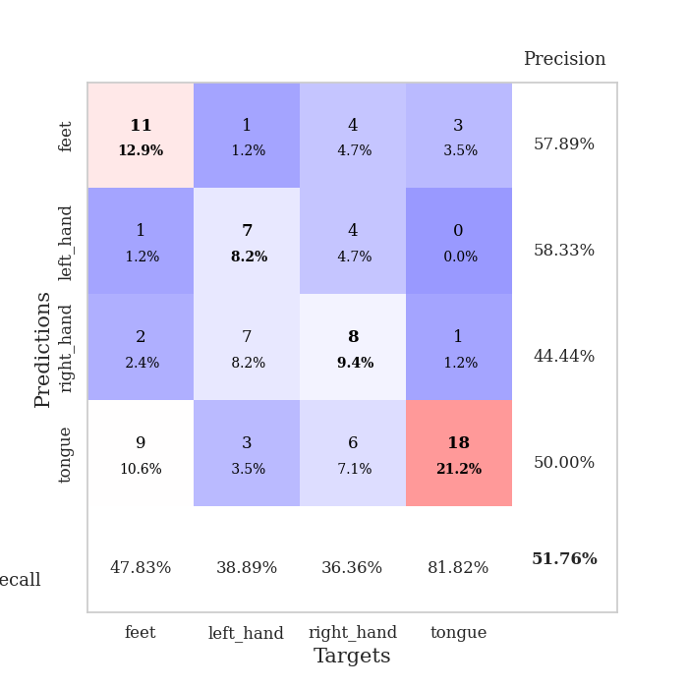
best_val_acc | best_val_los | best_test_acc
0.45652173913 | 1.3447119671 | 0.33620689655
0.46739130435 | 1.3540909031 | 0.37931034483
0.51086956522 | 1.3396769451 | 0.43965517241
0.42391304348 | 1.4817359292 | 0.36206896552
0.45652173913 | 1.3950128192 | 0.34482758621
0.51086956522 | 1.3569029051 | 0.40517241379
0.60869565217 | 1.374619909 | 0.43103448276
0.47826086957 | 1.5338668046 | 0.45689655172
0.55434782609 | 1.3294981822 | 0.33620689655
0.47826086957 | 1.3945425231 | 0.31896551724

Mean,std Val accuracy is 0.4945652173913044 , 0.054045050326725734 and mean, std test accuracy is 0.3810344827586207 , 0.049237816070353775

Sheet1
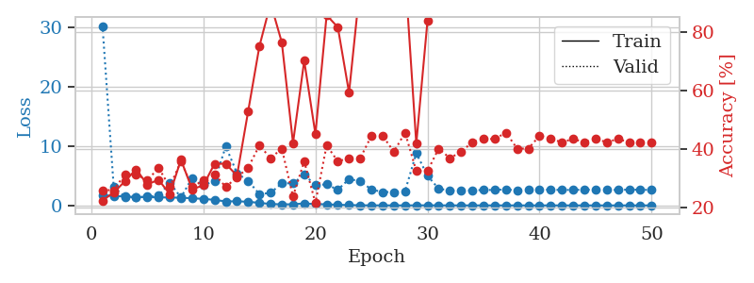
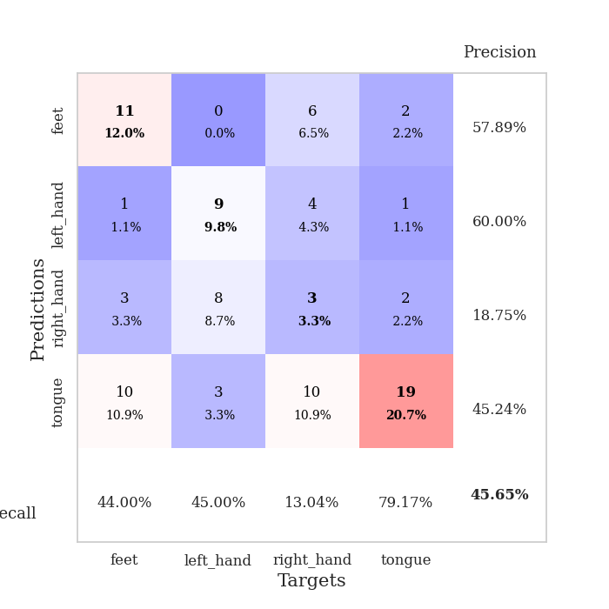
train_loss | valid_loss | train_accuracy | valid_accuracy | dur | train_misclass | valid_misclass
1.761793489 | 30.284665647 | 0.22554347826 | 0.26086956522 | 1.150135994 | 22.554347826 | 26.086956522
1.5840109898 | 3.0982588996 | 0.2527173913 | 0.26086956522 | 1.1459100246 | 25.27173913 | 26.086956522
1.5121938716 | 1.3804393022 | 0.29076086957 | 0.3152173913 | 1.1457335949 | 29.076086957 | 31.52173913
1.4104904921 | 1.4053758694 | 0.33152173913 | 0.3152173913 | 1.1454031467 | 33.152173913 | 31.52173913
1.403636865 | 1.4724671996 | 0.27989130435 | 0.29347826087 | 1.1482834816 | 27.989130435 | 29.347826087
1.3576272726 | 1.6441174849 | 0.29619565217 | 0.33695652174 | 1.1485722065 | 29.619565217 | 33.695652174
1.3351363151 | 3.8215803063 | 0.2472826087 | 0.27173913043 | 1.1461706161 | 24.72826087 | 27.173913043
1.300217105 | 1.3447119671 | 0.36413043478 | 0.35869565217 | 1.1491458416 | 36.413043478 | 35.869565217
1.2073255933 | 4.6461887256 | 0.26358695652 | 0.27173913043 | 1.1460754871 | 26.358695652 | 27.173913043
1.103676161 | 3.3937226171 | 0.27717391304 | 0.29347826087 | 1.1495256424 | 27.717391304 | 29.347826087
0.93079478844 | 4.1313743799 | 0.35054347826 | 0.3152173913 | 1.1500794888 | 35.054347826 | 31.52173913
0.67340705317 | 9.9587924377 | 0.35054347826 | 0.27173913043 | 1.1491470337 | 35.054347826 | 27.173913043
0.69931890265 | 5.4340758324 | 0.3097826087 | 0.30434782609 | 1.1494460106 | 30.97826087 | 30.434782609
0.61332163215 | 4.1476853412 | 0.52989130435 | 0.33695652174 | 1.149525404 | 52.989130435 | 33.695652174
0.42895245099 | 1.8970782757 | 0.75 | 0.41304347826 | 1.1488244534 | 75 | 41.304347826
0.23896601181 | 2.1132596057 | 0.89673913043 | 0.36956521739 | 1.148608923 | 89.673913043 | 36.956521739
0.18093100757 | 3.7256223222 | 0.76358695652 | 0.40217391304 | 1.1499254704 | 76.358695652 | 40.217391304
0.19136736574 | 3.7455711157 | 0.42119565217 | 0.23913043478 | 1.149200201 | 42.119565217 | 23.913043478
0.3418568261 | 5.1574650018 | 0.70108695652 | 0.35869565217 | 1.1490621567 | 70.108695652 | 35.869565217
0.2100361997 | 3.4428918154 | 0.45108695652 | 0.21739130435 | 1.1491689682 | 45.108695652 | 21.739130435
0.19509146719 | 3.5424905238 | 0.85597826087 | 0.41304347826 | 1.1495900154 | 85.597826087 | 41.304347826
0.10508412916 | 2.6452041916 | 0.8152173913 | 0.35869565217 | 1.1493704319 | 81.52173913 | 35.869565217
0.060442359916 | 4.450569298 | 0.59239130435 | 0.36956521739 | 1.1502561569 | 59.239130435 | 36.956521739
0.026563468511 | 4.0810508002 | 0.96195652174 | 0.36956521739 | 1.1501412392 | 96.195652174 | 36.956521739
0.010024431789 | 2.6827920727 | 1 | 0.44565217391 | 1.1507012844 | 100 | 44.565217391
0.011352019293 | 2.2534962219 | 1 | 0.44565217391 | 1.1513214111 | 100 | 44.565217391
0.0045745829576 | 2.2575359966 | 1 | 0.39130434783 | 1.1498930454 | 100 | 39.130434783
0.0045337158346 | 2.4243038634 | 1 | 0.45652173913 | 1.1512415409 | 100 | 45.652173913
0.014087599037 | 8.8130633313 | 0.41847826087 | 0.32608695652 | 1.1509034634 | 41.847826087 | 32.608695652
0.018979588316 | 5.0062478314 | 0.83695652174 | 0.32608695652 | 1.1504900455 | 83.695652174 | 32.608695652
0.013679153382 | 2.804178155 | 1 | 0.40217391304 | 1.1495904922 | 100 | 40.217391304
0.0028437958605 | 2.5348315861 | 1 | 0.36956521739 | 1.1500456333 | 100 | 36.956521739
0.0062061242871 | 2.4428491903 | 1 | 0.39130434783 | 1.1530361176 | 100 | 39.130434783
0.0047665103617 | 2.5673864199 | 1 | 0.42391304348 | 1.1524944305 | 100 | 42.391304348
0.0039733834944 | 2.5924024997 | 1 | 0.4347826087 | 1.1504061222 | 100 | 43.47826087
0.0044225100706 | 2.6177735018 | 1 | 0.4347826087 | 1.149980545 | 100 | 43.47826087
0.0042641382619 | 2.6935608387 | 1 | 0.45652173913 | 1.1510210037 | 100 | 45.652173913
0.0029053760031 | 2.537149419 | 1 | 0.40217391304 | 1.1512522697 | 100 | 40.217391304
0.0027475623596 | 2.6315341929 | 1 | 0.40217391304 | 1.1495831013 | 100 | 40.217391304
0.0018748980453 | 2.6297932189 | 1 | 0.44565217391 | 1.1500337124 | 100 | 44.565217391
0.0032491659513 | 2.6626866693 | 1 | 0.4347826087 | 1.1498434544 | 100 | 43.47826087
0.0011464425137 | 2.5937227166 | 1 | 0.42391304348 | 1.150072813 | 100 | 42.391304348
0.0027113027969 | 2.6287332099 | 1 | 0.4347826087 | 1.1497924328 | 100 | 43.47826087
0.0017420226675 | 2.628686822 | 1 | 0.42391304348 | 1.1503045559 | 100 | 42.391304348
0.0011956728153 | 2.685881936 | 1 | 0.4347826087 | 1.1508677006 | 100 | 43.47826087
0.001222001929 | 2.6079067044 | 1 | 0.42391304348 | 1.1503436565 | 100 | 42.391304348
0.0034301491061 | 2.6163403366 | 1 | 0.4347826087 | 1.1505918503 | 100 | 43.47826087
0.0012423946818 | 2.6606575406 | 1 | 0.42391304348 | 1.1495730877 | 100 | 42.391304348
0.0014559498649 | 2.6403718098 | 1 | 0.42391304348 | 1.1518139839 | 100 | 42.391304348
0.0021624771597 | 2.6089311994 | 1 | 0.42391304348 | 1.151695013 | 100 | 42.391304348

Best Val accuracy is 0.45652173913043476 and Best test accuracy is 0.33620689655172414

Sheet2
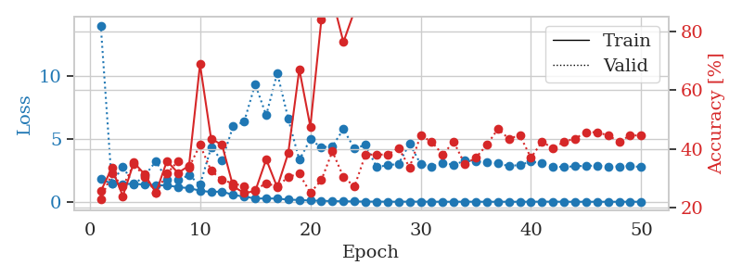
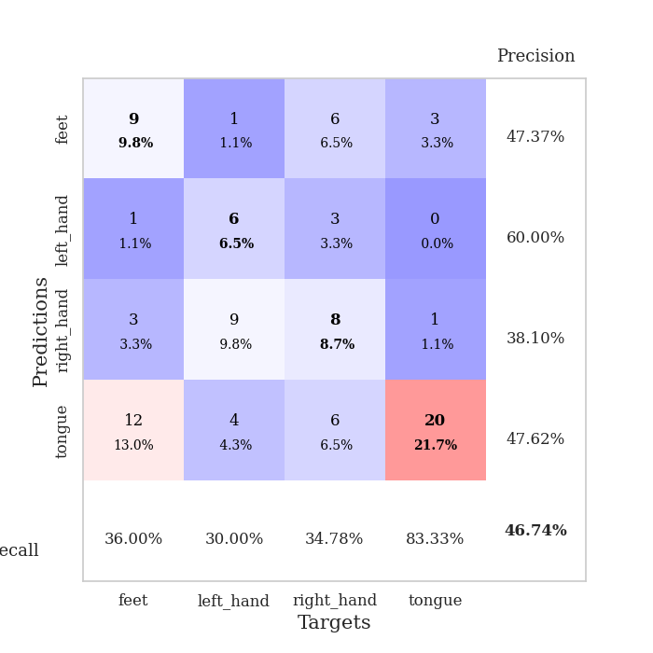
train_loss | valid_loss | train_accuracy | valid_accuracy | dur | train_misclass | valid_misclass
1.7893958351 | 13.991081196 | 0.25543478261 | 0.22826086957 | 1.14854002 | 25.543478261 | 22.826086957
1.4473433702 | 1.4696221196 | 0.33423913043 | 0.3152173913 | 1.1456167698 | 33.423913043 | 31.52173913
1.4024757769 | 2.7900320447 | 0.23913043478 | 0.27173913043 | 1.1476328373 | 23.913043478 | 27.173913043
1.4339925621 | 1.364393623 | 0.35326086957 | 0.34782608696 | 1.148099184 | 35.326086957 | 34.782608696
1.3582337576 | 2.0860708278 | 0.3125 | 0.30434782609 | 1.1487796307 | 31.25 | 30.434782609
1.3043305459 | 3.2153020631 | 0.25 | 0.25 | 1.1491045952 | 25 | 25
1.310191367 | 1.7379451472 | 0.35869565217 | 0.3152173913 | 1.1499726772 | 35.869565217 | 31.52173913
1.1640652211 | 1.7415584481 | 0.31793478261 | 0.35869565217 | 1.1492989063 | 31.793478261 | 35.869565217
1.0857466796 | 2.1098847182 | 0.34239130435 | 0.33695652174 | 1.1490240097 | 34.239130435 | 33.695652174
0.88602897654 | 1.3540909031 | 0.6875 | 0.41304347826 | 1.149023056 | 68.75 | 41.304347826
0.77508557879 | 4.2878256881 | 0.4347826087 | 0.32608695652 | 1.1486206055 | 43.47826087 | 32.608695652
0.82206117589 | 3.294284634 | 0.41304347826 | 0.29347826087 | 1.1487236023 | 41.304347826 | 29.347826087
0.53634559525 | 6.0068632831 | 0.27173913043 | 0.28260869565 | 1.1498837471 | 27.173913043 | 28.260869565
0.42386396618 | 6.3491949413 | 0.25 | 0.27173913043 | 1.1497342587 | 25 | 27.173913043
0.25703963054 | 9.3376908302 | 0.25543478261 | 0.26086956522 | 1.1498372555 | 25.543478261 | 26.086956522
0.2679852704 | 6.8638980907 | 0.36413043478 | 0.28260869565 | 1.1516227722 | 36.413043478 | 28.260869565
0.25512941959 | 10.225728947 | 0.26902173913 | 0.27173913043 | 1.1497890949 | 26.902173913 | 27.173913043
0.1693894659 | 6.5775772592 | 0.38586956522 | 0.30434782609 | 1.1508171558 | 38.586956522 | 30.434782609
0.145752147 | 3.3285636487 | 0.67119565217 | 0.3152173913 | 1.1503124237 | 67.119565217 | 31.52173913
0.09759355632 | 4.9466899996 | 0.47554347826 | 0.25 | 1.1504423618 | 47.554347826 | 25
0.083107223572 | 4.3192008475 | 0.83967391304 | 0.29347826087 | 1.1511757374 | 83.967391304 | 29.347826087
0.051767383459 | 4.4131950917 | 0.91032608696 | 0.39130434783 | 1.1508340836 | 91.032608696 | 39.130434783
0.040448028938 | 5.758462429 | 0.76358695652 | 0.30434782609 | 1.1506764889 | 76.358695652 | 30.434782609
0.027168425691 | 4.2191568043 | 0.86956521739 | 0.27173913043 | 1.1514120102 | 86.956521739 | 27.173913043
0.015987531191 | 4.5197022272 | 0.99184782609 | 0.38043478261 | 1.1516904831 | 99.184782609 | 38.043478261
0.013708324091 | 2.7692448782 | 1 | 0.38043478261 | 1.151252985 | 100 | 38.043478261
0.0081984159466 | 2.8902233165 | 1 | 0.38043478261 | 1.1516311169 | 100 | 38.043478261
0.0045257550361 | 3.0171048434 | 1 | 0.40217391304 | 1.152097702 | 100 | 40.217391304
0.014969041105 | 4.6082690073 | 0.95380434783 | 0.33695652174 | 1.1516287327 | 95.380434783 | 33.695652174
0.009173750151 | 2.9960049857 | 1 | 0.44565217391 | 1.1511805058 | 100 | 44.565217391
0.0072286445939 | 2.791463344 | 1 | 0.42391304348 | 1.1504909992 | 100 | 42.391304348
0.0038305537259 | 3.0846214605 | 1 | 0.38043478261 | 1.1508967876 | 100 | 38.043478261
0.0023094326164 | 2.9307269946 | 1 | 0.42391304348 | 1.1515116692 | 100 | 42.391304348
0.0088304060324 | 3.2598673261 | 1 | 0.34782608696 | 1.1519348621 | 100 | 34.782608696
0.0062919078729 | 3.2064347993 | 1 | 0.36956521739 | 1.1520974636 | 100 | 36.956521739
0.0023847631908 | 3.1142747195 | 1 | 0.41304347826 | 1.1516788006 | 100 | 41.304347826
0.0038954870011 | 3.0495646 | 1 | 0.46739130435 | 1.1516780853 | 100 | 46.739130435
0.0043401930028 | 2.8325969966 | 1 | 0.4347826087 | 1.1513733864 | 100 | 43.47826087
0.0024118604741 | 2.9265333673 | 1 | 0.44565217391 | 1.1520001888 | 100 | 44.565217391
0.0052060837093 | 3.1923420844 | 1 | 0.36956521739 | 1.152295351 | 100 | 36.956521739
0.009760476602 | 3.0458855836 | 1 | 0.42391304348 | 1.1518774033 | 100 | 42.391304348
0.010271727143 | 2.7972410969 | 1 | 0.40217391304 | 1.1518702507 | 100 | 40.217391304
0.0045838018989 | 2.7601374025 | 1 | 0.42391304348 | 1.1523218155 | 100 | 42.391304348
0.0021257202189 | 2.8244295017 | 1 | 0.4347826087 | 1.1531178951 | 100 | 43.47826087
0.0041044062717 | 2.8500288362 | 1 | 0.45652173913 | 1.1520893574 | 100 | 45.652173913
0.0022911208412 | 2.8802401605 | 1 | 0.45652173913 | 1.1531579494 | 100 | 45.652173913
0.001479917192 | 2.8104702701 | 1 | 0.44565217391 | 1.1539576054 | 100 | 44.565217391
0.0022146749328 | 2.8042387651 | 1 | 0.42391304348 | 1.1529657841 | 100 | 42.391304348
0.004174436373 | 2.8493929531 | 1 | 0.44565217391 | 1.1525022984 | 100 | 44.565217391
0.0032560933677 | 2.7512508061 | 1 | 0.44565217391 | 1.1530530453 | 100 | 44.565217391

Best Val accuracy is 0.4673913043478261 and Best test accuracy is 0.3793103448275862

Sheet3
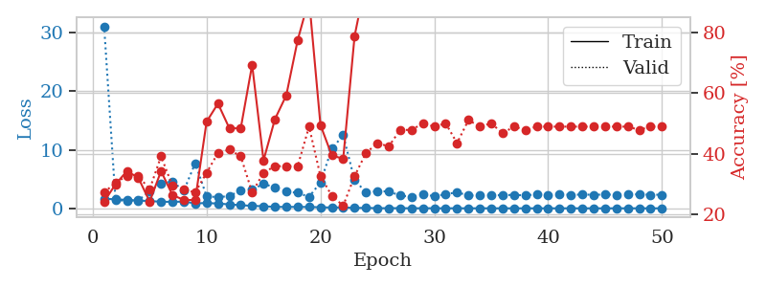
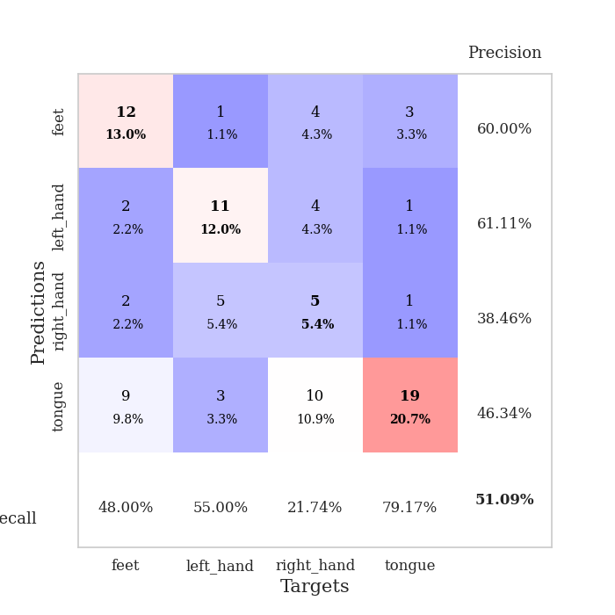
train_loss | valid_loss | train_accuracy | valid_accuracy | dur | train_misclass | valid_misclass
1.6212318047 | 31.116698721 | 0.24184782609 | 0.27173913043 | 1.1534078121 | 24.184782609 | 27.173913043
1.5490970974 | 1.3610943452 | 0.29891304348 | 0.30434782609 | 1.1495907307 | 29.891304348 | 30.434782609
1.4337292391 | 1.3396769451 | 0.34239130435 | 0.32608695652 | 1.1485583782 | 34.239130435 | 32.608695652
1.3188268154 | 1.3504918917 | 0.32065217391 | 0.32608695652 | 1.1483640671 | 32.065217391 | 32.608695652
1.250697224 | 2.9490892265 | 0.24184782609 | 0.28260869565 | 1.1510882378 | 24.184782609 | 28.260869565
1.1240303335 | 4.2690688423 | 0.34239130435 | 0.39130434783 | 1.149825573 | 34.239130435 | 39.130434783
1.1116058956 | 4.5699346998 | 0.26358695652 | 0.29347826087 | 1.1497037411 | 26.358695652 | 29.347826087
1.1403930991 | 3.0173254842 | 0.2472826087 | 0.28260869565 | 1.1499755383 | 24.72826087 | 28.260869565
0.85736017124 | 7.7174479443 | 0.2472826087 | 0.27173913043 | 1.1504240036 | 24.72826087 | 27.173913043
0.89876282474 | 2.0500038707 | 0.50543478261 | 0.33695652174 | 1.1495935917 | 50.543478261 | 33.695652174
0.820160341 | 1.9077517675 | 0.5652173913 | 0.40217391304 | 1.1502535343 | 56.52173913 | 40.217391304
0.67240525717 | 2.089428684 | 0.48369565217 | 0.41304347826 | 1.15036726 | 48.369565217 | 41.304347826
0.53182142001 | 3.0564791327 | 0.48369565217 | 0.39130434783 | 1.1494762897 | 48.369565217 | 39.130434783
0.42067013098 | 3.2440118012 | 0.69293478261 | 0.27173913043 | 1.1502714157 | 69.293478261 | 27.173913043
0.35585117211 | 4.152277594 | 0.3777173913 | 0.33695652174 | 1.1508841515 | 37.77173913 | 33.695652174
0.24583788702 | 3.6125138324 | 0.51358695652 | 0.35869565217 | 1.1501243114 | 51.358695652 | 35.869565217
0.23964772503 | 2.8304631917 | 0.59239130435 | 0.35869565217 | 1.1502492428 | 59.239130435 | 35.869565217
0.23953965825 | 2.6602151705 | 0.77445652174 | 0.35869565217 | 1.1498346329 | 77.445652174 | 35.869565217
0.22895190185 | 1.9469354256 | 0.91032608696 | 0.48913043478 | 1.1499972343 | 91.032608696 | 48.913043478
0.18092000144 | 4.4254229898 | 0.49456521739 | 0.32608695652 | 1.1499168873 | 49.456521739 | 32.608695652
0.13453852887 | 10.207214729 | 0.39402173913 | 0.26086956522 | 1.1500999928 | 39.402173913 | 26.086956522
0.16011638996 | 12.482129304 | 0.38315217391 | 0.22826086957 | 1.1506416798 | 38.315217391 | 22.826086957
0.06559651094 | 4.8166861327 | 0.78804347826 | 0.32608695652 | 1.1500403881 | 78.804347826 | 32.608695652
0.07915347195 | 2.740148565 | 0.97282608696 | 0.40217391304 | 1.1499843597 | 97.282608696 | 40.217391304
0.02142970847 | 2.9244111103 | 0.96467391304 | 0.4347826087 | 1.1498389244 | 96.467391304 | 43.47826087
0.024220751447 | 2.882292478 | 1 | 0.42391304348 | 1.1499657631 | 100 | 42.391304348
0.030699663785 | 2.1955426672 | 1 | 0.47826086957 | 1.1510066986 | 100 | 47.826086957
0.0075560980983 | 1.9406277667 | 1 | 0.47826086957 | 1.1506876945 | 100 | 47.826086957
0.017290683873 | 2.3834956833 | 1 | 0.5 | 1.1507246494 | 100 | 50
0.013573127369 | 2.0765336078 | 1 | 0.48913043478 | 1.1517820358 | 100 | 48.913043478
0.0057009184637 | 2.4141800196 | 1 | 0.5 | 1.1510202885 | 100 | 50
0.010317697086 | 2.7414326253 | 1 | 0.4347826087 | 1.1503448486 | 100 | 43.47826087
0.0050014827866 | 2.1866948086 | 1 | 0.51086956522 | 1.1506953239 | 100 | 51.086956522
0.0058674879332 | 2.2100357595 | 1 | 0.48913043478 | 1.1506052017 | 100 | 48.913043478
0.0050285518633 | 2.2614727746 | 1 | 0.5 | 1.1501836777 | 100 | 50
0.0021848371101 | 2.2360396282 | 1 | 0.46739130435 | 1.1501483917 | 100 | 46.739130435
0.00207021506 | 2.3082620683 | 1 | 0.48913043478 | 1.150457859 | 100 | 48.913043478
0.0024991407737 | 2.2032346622 | 1 | 0.47826086957 | 1.150850296 | 100 | 47.826086957
0.0026544999577 | 2.3944444864 | 1 | 0.48913043478 | 1.1508805752 | 100 | 48.913043478
0.0022791864056 | 2.2805162927 | 1 | 0.48913043478 | 1.1508097649 | 100 | 48.913043478
0.0024177381584 | 2.3990453015 | 1 | 0.48913043478 | 1.1505999565 | 100 | 48.913043478
0.0021791586149 | 2.3043576634 | 1 | 0.48913043478 | 1.1509723663 | 100 | 48.913043478
0.001735904235 | 2.3549955202 | 1 | 0.48913043478 | 1.1511147022 | 100 | 48.913043478
0.002222532209 | 2.3127424717 | 1 | 0.48913043478 | 1.1517982483 | 100 | 48.913043478
0.0018658837539 | 2.3518059772 | 1 | 0.48913043478 | 1.151463747 | 100 | 48.913043478
0.0022368357433 | 2.3272127587 | 1 | 0.48913043478 | 1.1507191658 | 100 | 48.913043478
0.005256968515 | 2.3526855344 | 1 | 0.48913043478 | 1.1514649391 | 100 | 48.913043478
0.0032568654531 | 2.4066683106 | 1 | 0.47826086957 | 1.1513741016 | 100 | 47.826086957
0.0014203173708 | 2.3156769276 | 1 | 0.48913043478 | 1.1520426273 | 100 | 48.913043478
0.0030409162877 | 2.320978683 | 1 | 0.48913043478 | 1.1513864994 | 100 | 48.913043478

Best Val accuracy is 0.5108695652173914 and Best test accuracy is 0.4396551724137931

Sheet4
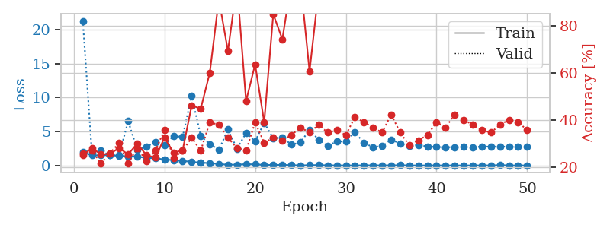
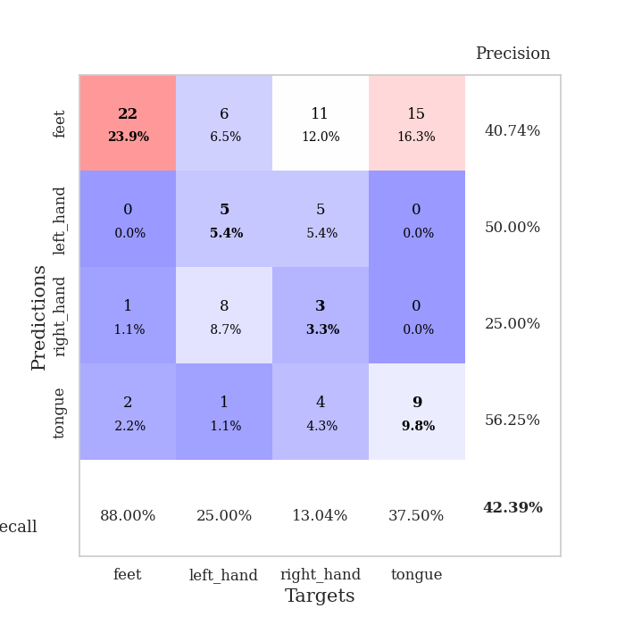
train_loss | valid_loss | train_accuracy | valid_accuracy | dur | train_misclass | valid_misclass
1.9814998222 | 21.261092559 | 0.2527173913 | 0.26086956522 | 1.1535937786 | 25.27173913 | 26.086956522
1.4859220308 | 1.8305649757 | 0.28260869565 | 0.27173913043 | 1.1469345093 | 28.260869565 | 27.173913043
1.4882493589 | 2.1588572316 | 0.25543478261 | 0.21739130435 | 1.1472079754 | 25.543478261 | 21.739130435
1.5379931616 | 1.4817359292 | 0.25815217391 | 0.26086956522 | 1.1499190331 | 25.815217391 | 26.086956522
1.3994736049 | 1.5066220916 | 0.28260869565 | 0.30434782609 | 1.1500473022 | 28.260869565 | 30.434782609
1.355056488 | 6.530594577 | 0.25543478261 | 0.21739130435 | 1.1466159821 | 25.543478261 | 21.739130435
1.2955205337 | 2.3192120531 | 0.30163043478 | 0.28260869565 | 1.1502752304 | 30.163043478 | 28.260869565
1.1216191287 | 2.7686779914 | 0.2527173913 | 0.22826086957 | 1.1496326923 | 25.27173913 | 22.826086957
1.0546172209 | 3.4154235798 | 0.24184782609 | 0.27173913043 | 1.1505327225 | 24.184782609 | 27.173913043
0.88829783771 | 2.9706985432 | 0.32608695652 | 0.35869565217 | 1.1498882771 | 32.608695652 | 35.869565217
0.77985448682 | 4.3344887029 | 0.26358695652 | 0.23913043478 | 1.1500647068 | 26.358695652 | 23.913043478
0.67969452817 | 4.2000931139 | 0.27173913043 | 0.27173913043 | 1.1500141621 | 27.173913043 | 27.173913043
0.53040106789 | 10.271145613 | 0.46195652174 | 0.32608695652 | 1.1500258446 | 46.195652174 | 32.608695652
0.41168245932 | 4.327999737 | 0.44836956522 | 0.27173913043 | 1.1498322487 | 44.836956522 | 27.173913043
0.35628081469 | 3.1521496773 | 0.60054347826 | 0.39130434783 | 1.1502578259 | 60.054347826 | 39.130434783
0.21196503306 | 2.30060991 | 0.91032608696 | 0.38043478261 | 1.1498017311 | 91.032608696 | 38.043478261
0.11636722898 | 5.2831701196 | 0.69293478261 | 0.32608695652 | 1.1494455338 | 69.293478261 | 32.608695652
0.13304991376 | 2.4789227299 | 0.97282608696 | 0.28260869565 | 1.1496379375 | 97.282608696 | 28.260869565
0.18491743841 | 4.7630576673 | 0.48097826087 | 0.27173913043 | 1.1495985985 | 48.097826087 | 27.173913043
0.16337357542 | 3.558761068 | 0.63586956522 | 0.39130434783 | 1.1505506039 | 63.586956522 | 39.130434783
0.086373574141 | 6.2832197314 | 0.39130434783 | 0.30434782609 | 1.1504695415 | 39.130434783 | 30.434782609
0.07820414031 | 4.0098583387 | 0.84782608696 | 0.32608695652 | 1.1501755714 | 84.782608696 | 32.608695652
0.091966272716 | 4.1562101945 | 0.74184782609 | 0.3152173913 | 1.1500239372 | 74.184782609 | 31.52173913
0.042931084116 | 3.0546500165 | 0.98369565217 | 0.33695652174 | 1.1502146721 | 98.369565217 | 33.695652174
0.01752952632 | 3.4051092811 | 0.98641304348 | 0.36956521739 | 1.1503477097 | 98.641304348 | 36.956521739
0.039246627757 | 5.2300576127 | 0.60597826087 | 0.34782608696 | 1.1511280537 | 60.597826087 | 34.782608696
0.061269294217 | 3.8123870725 | 0.94565217391 | 0.38043478261 | 1.1500985622 | 94.565217391 | 38.043478261
0.024114164615 | 2.9055053773 | 1 | 0.34782608696 | 1.1503691673 | 100 | 34.782608696
0.01399862008 | 3.5150262895 | 0.99456521739 | 0.35869565217 | 1.1509640217 | 99.456521739 | 35.869565217
0.0093747570164 | 3.5920620794 | 0.98097826087 | 0.33695652174 | 1.1508412361 | 98.097826087 | 33.695652174
0.01067423574 | 4.930131622 | 0.91304347826 | 0.41304347826 | 1.1512832642 | 91.304347826 | 41.304347826
0.022998364237 | 3.2926032336 | 0.9972826087 | 0.39130434783 | 1.1511731148 | 99.72826087 | 39.130434783
0.021346772401 | 2.7042829161 | 1 | 0.36956521739 | 1.1503989697 | 100 | 36.956521739
0.013532312956 | 2.8453560549 | 1 | 0.34782608696 | 1.1516180038 | 100 | 34.782608696
0.025392519968 | 3.7977621659 | 0.99184782609 | 0.42391304348 | 1.1510818005 | 99.184782609 | 42.391304348
0.030345600458 | 3.2254965098 | 0.99456521739 | 0.34782608696 | 1.1504230499 | 99.456521739 | 34.782608696
0.0062861598309 | 2.8289755531 | 1 | 0.29347826087 | 1.1498086452 | 100 | 29.347826087
0.0077669000754 | 3.0359739739 | 1 | 0.3152173913 | 1.1507804394 | 100 | 31.52173913
0.0028465091322 | 2.7824751709 | 1 | 0.33695652174 | 1.1504962444 | 100 | 33.695652174
0.0091740223225 | 2.7273420458 | 1 | 0.39130434783 | 1.1507563591 | 100 | 39.130434783
0.0020841237204 | 2.6803475774 | 1 | 0.36956521739 | 1.1510150433 | 100 | 36.956521739
0.0038408015604 | 2.7009315594 | 1 | 0.42391304348 | 1.1506915092 | 100 | 42.391304348
0.0099801119498 | 2.7358027645 | 1 | 0.40217391304 | 1.1511106491 | 100 | 40.217391304
0.0021924417714 | 2.7043443244 | 1 | 0.38043478261 | 1.1508321762 | 100 | 38.043478261
0.0133821032 | 2.7556204589 | 1 | 0.35869565217 | 1.1510157585 | 100 | 35.869565217
0.0049513805058 | 2.7809020436 | 1 | 0.34782608696 | 1.1517927647 | 100 | 34.782608696
0.053078339458 | 2.775845849 | 1 | 0.38043478261 | 1.1521983147 | 100 | 38.043478261
0.0030358136687 | 2.7632331744 | 1 | 0.40217391304 | 1.1514830589 | 100 | 40.217391304
0.0075428304338 | 2.7451982291 | 1 | 0.39130434783 | 1.1523144245 | 100 | 39.130434783
0.0040643776295 | 2.7434494703 | 1 | 0.35869565217 | 1.151925087 | 100 | 35.869565217

Best Val accuracy is 0.42391304347826086 and Best test accuracy is 0.3620689655172414

Sheet5
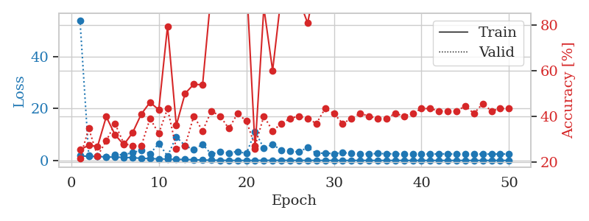
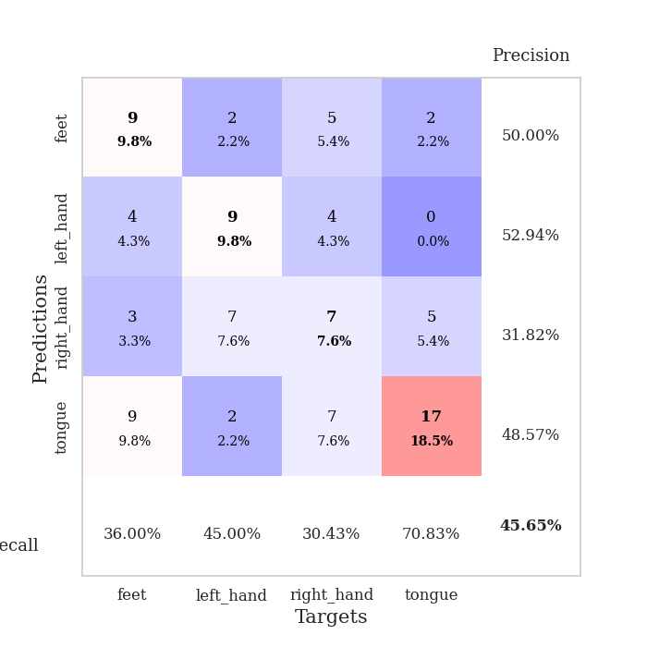
train_loss | valid_loss | train_accuracy | valid_accuracy | dur | train_misclass | valid_misclass
1.7962055984 | 53.967159603 | 0.25543478261 | 0.21739130435 | 1.1535260677 | 25.543478261 | 21.739130435
1.5257475221 | 1.8932856477 | 0.27445652174 | 0.34782608696 | 1.1481020451 | 27.445652174 | 34.782608696
1.508253564 | 1.6199907894 | 0.26902173913 | 0.22826086957 | 1.1484029293 | 26.902173913 | 22.826086957
1.3510404255 | 1.3950128192 | 0.39945652174 | 0.29347826087 | 1.1493940353 | 39.945652174 | 29.347826087
1.2474846944 | 2.0568009822 | 0.32065217391 | 0.36956521739 | 1.1492311954 | 32.065217391 | 36.956521739
1.1746032186 | 2.2818213235 | 0.27717391304 | 0.28260869565 | 1.1481189728 | 27.717391304 | 28.260869565
1.0339804318 | 2.9187655242 | 0.32880434783 | 0.27173913043 | 1.150072813 | 32.880434783 | 27.173913043
0.80720738872 | 3.9997308047 | 0.41032608696 | 0.27173913043 | 1.1502578259 | 41.032608696 | 27.173913043
0.67815836875 | 2.5439048021 | 0.46195652174 | 0.39130434783 | 1.1500174999 | 46.195652174 | 39.130434783
0.58336863051 | 6.5173117803 | 0.42934782609 | 0.32608695652 | 1.147898674 | 42.934782609 | 32.608695652
0.48644506996 | 1.6867403207 | 0.79347826087 | 0.4347826087 | 1.1509828568 | 79.347826087 | 43.47826087
0.39831437106 | 9.0729537839 | 0.36141304348 | 0.26086956522 | 1.1490838528 | 36.141304348 | 26.086956522
0.36031550525 | 5.6945560289 | 0.5 | 0.27173913043 | 1.1497256756 | 50 | 27.173913043
0.28297313497 | 4.0673297281 | 0.54076086957 | 0.40217391304 | 1.1498720646 | 54.076086957 | 40.217391304
0.15474937289 | 6.2242164612 | 0.53804347826 | 0.33695652174 | 1.1504895687 | 53.804347826 | 33.695652174
0.11207587272 | 2.3807863256 | 0.94565217391 | 0.42391304348 | 1.1501233578 | 94.565217391 | 42.391304348
0.050955189999 | 3.3853329368 | 0.99456521739 | 0.40217391304 | 1.1500051022 | 99.456521739 | 40.217391304
0.016068000468 | 2.8832953598 | 0.98913043478 | 0.34782608696 | 1.1505148411 | 98.913043478 | 34.782608696
0.01416334892 | 3.4557055183 | 0.97826086957 | 0.41304347826 | 1.1497673988 | 97.826086957 | 41.304347826
0.0052263787163 | 2.6340512711 | 1 | 0.38043478261 | 1.1505515575 | 100 | 38.043478261
0.023732272199 | 11.088036123 | 0.26086956522 | 0.27173913043 | 1.1509013176 | 26.086956522 | 27.173913043
0.040284288232 | 4.6433435627 | 0.875 | 0.40217391304 | 1.1502857208 | 87.5 | 40.217391304
0.053076168656 | 6.1220344357 | 0.60054347826 | 0.33695652174 | 1.1513843536 | 60.054347826 | 33.695652174
0.035341839858 | 3.9325235408 | 0.93206521739 | 0.36956521739 | 1.1506831646 | 93.206521739 | 36.956521739
0.017181847047 | 3.5246129658 | 0.9402173913 | 0.39130434783 | 1.1525328159 | 94.02173913 | 39.130434783
0.02155015919 | 3.251512911 | 0.91032608696 | 0.40217391304 | 1.1512243748 | 91.032608696 | 40.217391304
0.03150571024 | 4.984741553 | 0.80706521739 | 0.39130434783 | 1.151463747 | 80.706521739 | 39.130434783
0.006518680825 | 2.6979108686 | 1 | 0.36956521739 | 1.1509799957 | 100 | 36.956521739
0.018612127266 | 2.857493867 | 1 | 0.4347826087 | 1.1510112286 | 100 | 43.47826087
0.0055999502378 | 2.5762901513 | 1 | 0.41304347826 | 1.1519255638 | 100 | 41.304347826
0.0078230598516 | 3.0274364948 | 1 | 0.36956521739 | 1.1515033245 | 100 | 36.956521739
0.0059276548614 | 2.6812262639 | 1 | 0.39130434783 | 1.1510839462 | 100 | 39.130434783
0.0048671186264 | 2.5615479013 | 1 | 0.41304347826 | 1.1519231796 | 100 | 41.304347826
0.0021285053296 | 2.5466927238 | 1 | 0.40217391304 | 1.1509006023 | 100 | 40.217391304
0.0014838186787 | 2.6267488417 | 1 | 0.39130434783 | 1.1524338722 | 100 | 39.130434783
0.0029376798766 | 2.5866700048 | 1 | 0.39130434783 | 1.1507325172 | 100 | 39.130434783
0.0037151723657 | 2.4863025416 | 1 | 0.41304347826 | 1.1522905827 | 100 | 41.304347826
0.0023575519191 | 2.5291638478 | 1 | 0.40217391304 | 1.1517894268 | 100 | 40.217391304
0.0017140671432 | 2.5090867851 | 1 | 0.41304347826 | 1.1518909931 | 100 | 41.304347826
0.0031617318379 | 2.4600248648 | 1 | 0.4347826087 | 1.1515996456 | 100 | 43.47826087
0.0020174397695 | 2.4255963719 | 1 | 0.4347826087 | 1.1541247368 | 100 | 43.47826087
0.0010868672923 | 2.5075360796 | 1 | 0.42391304348 | 1.1526892185 | 100 | 42.391304348
0.0014462784532 | 2.4878103007 | 1 | 0.42391304348 | 1.1521604061 | 100 | 42.391304348
0.0027352470503 | 2.4358641272 | 1 | 0.42391304348 | 1.1532588005 | 100 | 42.391304348
0.0026073237892 | 2.403016702 | 1 | 0.44565217391 | 1.1529057026 | 100 | 44.565217391
0.0010377428755 | 2.4729606276 | 1 | 0.41304347826 | 1.1510136127 | 100 | 41.304347826
0.0081835243479 | 2.429391125 | 1 | 0.45652173913 | 1.1514863968 | 100 | 45.652173913
0.0034426805524 | 2.4400118227 | 1 | 0.42391304348 | 1.1511964798 | 100 | 42.391304348
0.0019891590055 | 2.4531552999 | 1 | 0.4347826087 | 1.1513974667 | 100 | 43.47826087
0.001652379612 | 2.4569358204 | 1 | 0.4347826087 | 1.1531052589 | 100 | 43.47826087

Best Val accuracy is 0.45652173913043476 and Best test accuracy is 0.3448275862068966

Sheet6
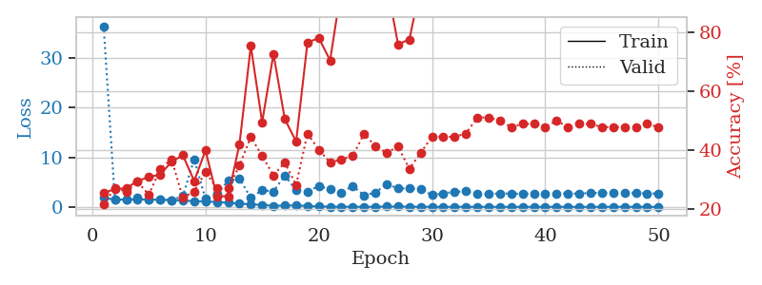
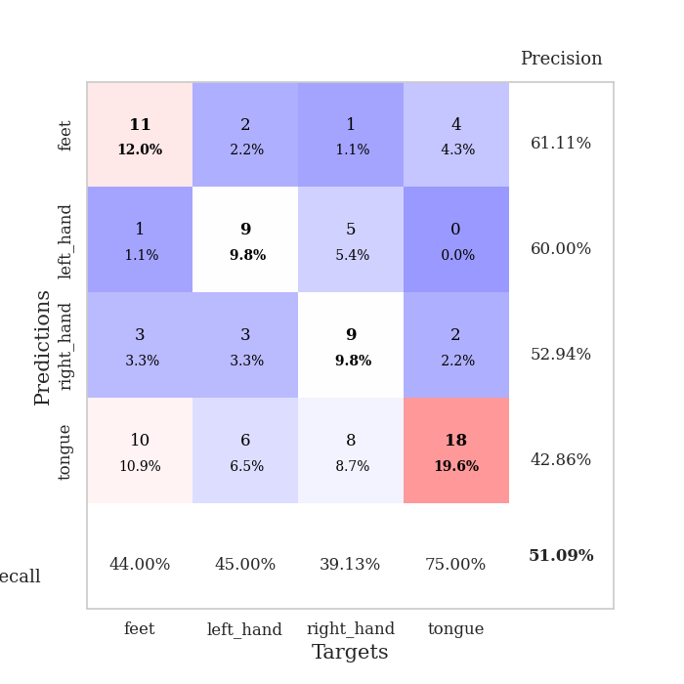
train_loss | valid_loss | train_accuracy | valid_accuracy | dur | train_misclass | valid_misclass
1.803406166 | 36.413233218 | 0.25543478261 | 0.21739130435 | 1.1510021687 | 25.543478261 | 21.739130435
1.4869669106 | 1.4471795248 | 0.26902173913 | 0.27173913043 | 1.1468396187 | 26.902173913 | 27.173913043
1.4649643276 | 1.4746438161 | 0.27173913043 | 0.26086956522 | 1.147210598 | 27.173913043 | 26.086956522
1.4591596178 | 1.8194547321 | 0.29619565217 | 0.29347826087 | 1.1487059593 | 29.619565217 | 29.347826087
1.5031004108 | 1.3978395721 | 0.3097826087 | 0.25 | 1.1474690437 | 30.97826087 | 25
1.3935033601 | 1.577640378 | 0.31793478261 | 0.33695652174 | 1.1504452229 | 31.793478261 | 33.695652174
1.3781761501 | 1.3569029051 | 0.36141304348 | 0.36956521739 | 1.148147583 | 36.141304348 | 36.956521739
1.301282779 | 2.1726436408 | 0.38315217391 | 0.23913043478 | 1.1464343071 | 38.315217391 | 23.913043478
1.1391400073 | 9.5765733512 | 0.29619565217 | 0.26086956522 | 1.1497042179 | 29.619565217 | 26.086956522
1.1024603222 | 1.5911531811 | 0.39945652174 | 0.32608695652 | 1.1495230198 | 39.945652174 | 32.608695652
0.9592288577 | 2.6206909781 | 0.24456521739 | 0.27173913043 | 1.1500790119 | 24.456521739 | 27.173913043
0.83400469759 | 5.2632478009 | 0.24456521739 | 0.27173913043 | 1.1507022381 | 24.456521739 | 27.173913043
0.62859395341 | 5.6546516211 | 0.42119565217 | 0.34782608696 | 1.1494479179 | 42.119565217 | 34.782608696
0.5162546544 | 1.8393281854 | 0.7527173913 | 0.44565217391 | 1.1504058838 | 75.27173913 | 44.565217391
0.38372181486 | 3.3684320346 | 0.49456521739 | 0.38043478261 | 1.1494500637 | 49.456521739 | 38.043478261
0.2200045678 | 3.0915032677 | 0.72554347826 | 0.3152173913 | 1.1492779255 | 72.554347826 | 31.52173913
0.25101579159 | 6.2985958224 | 0.50543478261 | 0.35869565217 | 1.149882555 | 50.543478261 | 35.869565217
0.30066452289 | 3.3731943835 | 0.42934782609 | 0.28260869565 | 1.1495575905 | 42.934782609 | 28.260869565
0.18257350329 | 3.0252352486 | 0.76358695652 | 0.45652173913 | 1.1503326893 | 76.358695652 | 45.652173913
0.074457831519 | 4.2480143049 | 0.77989130435 | 0.40217391304 | 1.1507222652 | 77.989130435 | 40.217391304
0.044825376295 | 3.5084265004 | 0.70380434783 | 0.35869565217 | 1.1508815289 | 70.380434783 | 35.869565217
0.029458221332 | 2.8941525273 | 0.95108695652 | 0.36956521739 | 1.1501617432 | 95.108695652 | 36.956521739
0.013498866966 | 4.2289630745 | 0.91847826087 | 0.38043478261 | 1.1510796547 | 91.847826087 | 38.043478261
0.011860816805 | 2.3111642444 | 1 | 0.45652173913 | 1.1500692368 | 100 | 45.652173913
0.016999529168 | 2.9049391539 | 0.96195652174 | 0.41304347826 | 1.1495463848 | 96.195652174 | 41.304347826
0.068983887363 | 4.5687956188 | 0.96467391304 | 0.39130434783 | 1.150056839 | 96.467391304 | 39.130434783
0.068440038539 | 3.6922594672 | 0.75815217391 | 0.41304347826 | 1.1498982906 | 75.815217391 | 41.304347826
0.041437922962 | 3.7088295688 | 0.77445652174 | 0.33695652174 | 1.1505489349 | 77.445652174 | 33.695652174
0.017823180315 | 3.5874383968 | 0.95652173913 | 0.39130434783 | 1.151168108 | 95.652173913 | 39.130434783
0.009927157467 | 2.3441955421 | 0.98913043478 | 0.44565217391 | 1.151185751 | 98.913043478 | 44.565217391
0.0079151512346 | 2.7133956837 | 1 | 0.44565217391 | 1.1516747475 | 100 | 44.565217391
0.0043926981592 | 3.0333713449 | 1 | 0.44565217391 | 1.1512112617 | 100 | 44.565217391
0.0063119622924 | 3.1114776031 | 1 | 0.45652173913 | 1.1512672901 | 100 | 45.652173913
0.0017226305474 | 2.550124583 | 1 | 0.51086956522 | 1.1509013176 | 100 | 51.086956522
0.0040143104504 | 2.635450472 | 1 | 0.51086956522 | 1.1507079601 | 100 | 51.086956522
0.0026107545836 | 2.7055037695 | 1 | 0.5 | 1.1506557465 | 100 | 50
0.0032403247644 | 2.6792226615 | 1 | 0.47826086957 | 1.1517782211 | 100 | 47.826086957
0.0024090960455 | 2.6163272443 | 1 | 0.48913043478 | 1.1516158581 | 100 | 48.913043478
0.0028253113478 | 2.7027103331 | 1 | 0.48913043478 | 1.1511232853 | 100 | 48.913043478
0.0017955622531 | 2.596039404 | 1 | 0.47826086957 | 1.1517012119 | 100 | 47.826086957
0.0079971100583 | 2.6752285076 | 1 | 0.5 | 1.1514260769 | 100 | 50
0.0025085726083 | 2.7261053946 | 1 | 0.47826086957 | 1.151238203 | 100 | 47.826086957
0.0019625699744 | 2.6362606805 | 1 | 0.48913043478 | 1.1516106129 | 100 | 48.913043478
0.0044364845734 | 2.8538405325 | 1 | 0.48913043478 | 1.1521418095 | 100 | 48.913043478
0.0012869843327 | 2.7584807665 | 1 | 0.47826086957 | 1.1510853767 | 100 | 47.826086957
0.0013311530151 | 2.7958247195 | 1 | 0.47826086957 | 1.1514577866 | 100 | 47.826086957
0.0029838437837 | 2.7382236512 | 1 | 0.47826086957 | 1.1525299549 | 100 | 47.826086957
0.00075187232932 | 2.7612491898 | 1 | 0.47826086957 | 1.1516776085 | 100 | 47.826086957
0.001462309253 | 2.6983850158 | 1 | 0.48913043478 | 1.1516499519 | 100 | 48.913043478
0.0032343446769 | 2.6819828334 | 1 | 0.47826086957 | 1.1524357796 | 100 | 47.826086957

Best Val accuracy is 0.5108695652173914 and Best test accuracy is 0.4051724137931034

Sheet7
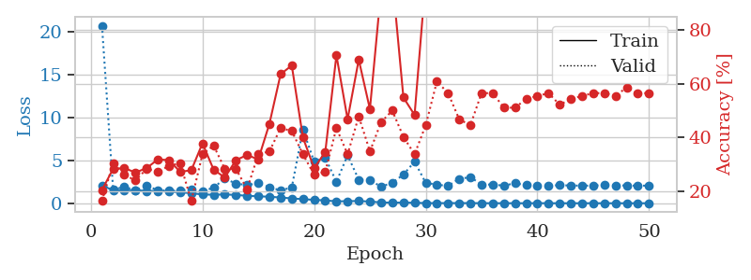
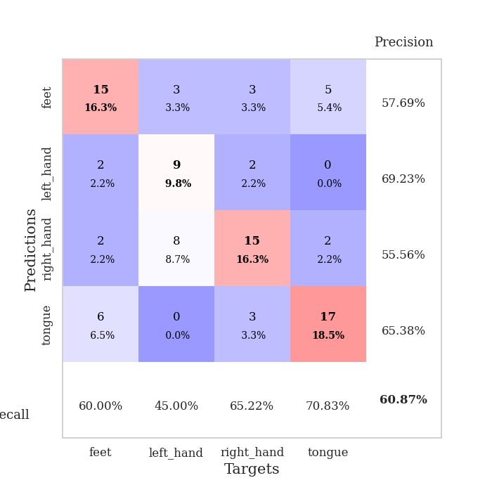
train_loss | valid_loss | train_accuracy | valid_accuracy | dur | train_misclass | valid_misclass
2.0715919111 | 20.650928 | 0.20380434783 | 0.16304347826 | 1.1539020538 | 20.380434783 | 16.304347826
1.5072698075 | 1.5579316668 | 0.28260869565 | 0.30434782609 | 1.1478369236 | 28.260869565 | 30.434782609
1.5140982089 | 1.9187485239 | 0.28532608696 | 0.26086956522 | 1.1476302147 | 28.532608696 | 26.086956522
1.530744506 | 1.5011735636 | 0.26902173913 | 0.23913043478 | 1.1496083736 | 26.902173913 | 23.913043478
1.4355697891 | 2.0139577907 | 0.28532608696 | 0.28260869565 | 1.1498088837 | 28.532608696 | 28.260869565
1.430615534 | 1.5332324868 | 0.31793478261 | 0.27173913043 | 1.1510469913 | 31.793478261 | 27.173913043
1.34590859 | 1.4505837223 | 0.3152173913 | 0.29347826087 | 1.1502845287 | 31.52173913 | 29.347826087
1.2809543299 | 1.477240438 | 0.27173913043 | 0.30434782609 | 1.1496744156 | 27.173913043 | 30.434782609
1.1708301306 | 1.5992852346 | 0.27717391304 | 0.16304347826 | 1.1500556469 | 27.717391304 | 16.304347826
1.0230107333 | 1.374619909 | 0.3777173913 | 0.33695652174 | 1.1493752003 | 37.77173913 | 33.695652174
0.99385919519 | 1.8243534772 | 0.27989130435 | 0.36956521739 | 1.1508119106 | 27.989130435 | 36.956521739
1.0259977268 | 2.8619364967 | 0.25 | 0.28260869565 | 1.1505725384 | 25 | 28.260869565
0.96741129264 | 2.297770184 | 0.3152173913 | 0.28260869565 | 1.1502013206 | 31.52173913 | 28.260869565
0.86857858171 | 2.1110133088 | 0.33423913043 | 0.20652173913 | 1.1504766941 | 33.423913043 | 20.652173913
0.80832550577 | 2.3386727105 | 0.31793478261 | 0.33695652174 | 1.1495578289 | 31.793478261 | 33.695652174
0.76137409262 | 1.8536087793 | 0.45108695652 | 0.34782608696 | 1.1494903564 | 45.108695652 | 34.782608696
0.66859467263 | 1.4990813628 | 0.63586956522 | 0.4347826087 | 1.1495790482 | 63.586956522 | 43.47826087
0.56861625806 | 1.8345639602 | 0.66847826087 | 0.42391304348 | 1.1496732235 | 66.847826087 | 42.391304348
0.47371182364 | 8.5672325881 | 0.39945652174 | 0.33695652174 | 1.1488440037 | 39.945652174 | 33.695652174
0.39988089385 | 4.853474928 | 0.28532608696 | 0.26086956522 | 1.1492416859 | 28.532608696 | 26.086956522
0.3310642819 | 5.2891842179 | 0.34510869565 | 0.27173913043 | 1.1485862732 | 34.510869565 | 27.173913043
0.2234390689 | 2.4876789166 | 0.70652173913 | 0.4347826087 | 1.1494250298 | 70.652173913 | 43.47826087
0.24418054975 | 5.5838806526 | 0.46739130435 | 0.33695652174 | 1.1493313313 | 46.739130435 | 33.695652174
0.26392152193 | 2.7364972571 | 0.6902173913 | 0.47826086957 | 1.1487174034 | 69.02173913 | 47.826086957
0.19834605815 | 2.6949570334 | 0.50543478261 | 0.34782608696 | 1.149913311 | 50.543478261 | 34.782608696
0.098987783832 | 1.9285796259 | 0.95108695652 | 0.45652173913 | 1.1486048698 | 95.108695652 | 45.652173913
0.071331870378 | 2.3780336069 | 0.9972826087 | 0.5 | 1.1497340202 | 99.72826087 | 50
0.081357493187 | 3.3297510043 | 0.54891304348 | 0.40217391304 | 1.1500976086 | 54.891304348 | 40.217391304
0.057528695618 | 4.8383289627 | 0.48369565217 | 0.33695652174 | 1.1482753754 | 48.369565217 | 33.695652174
0.022588915576 | 2.3752700298 | 0.99456521739 | 0.44565217391 | 1.1499855518 | 99.456521739 | 44.565217391
0.01668159773 | 2.1610389067 | 1 | 0.60869565217 | 1.1497044563 | 100 | 60.869565217
0.020484355876 | 2.0133615007 | 1 | 0.5652173913 | 1.149289608 | 100 | 56.52173913
0.022482359701 | 2.8474430416 | 0.99456521739 | 0.46739130435 | 1.1498010159 | 99.456521739 | 46.739130435
0.019450378017 | 3.0349706256 | 0.97010869565 | 0.44565217391 | 1.1502828598 | 97.010869565 | 44.565217391
0.014172977879 | 2.1760224052 | 1 | 0.5652173913 | 1.1506173611 | 100 | 56.52173913
0.0077024434349 | 2.1767402887 | 1 | 0.5652173913 | 1.1508572102 | 100 | 56.52173913
0.010272348811 | 2.0510077891 | 1 | 0.51086956522 | 1.1510167122 | 100 | 51.086956522
0.008612717932 | 2.3335054854 | 1 | 0.51086956522 | 1.151393652 | 100 | 51.086956522
0.0053183362192 | 2.1039535999 | 1 | 0.54347826087 | 1.1511409283 | 100 | 54.347826087
0.013885979601 | 2.0477574805 | 1 | 0.55434782609 | 1.1514997482 | 100 | 55.434782609
0.0064099346308 | 2.0722131263 | 1 | 0.5652173913 | 1.1518833637 | 100 | 56.52173913
0.0044547633531 | 2.0926664083 | 1 | 0.52173913043 | 1.1513168812 | 100 | 52.173913043
0.0052269500852 | 2.0689600862 | 1 | 0.54347826087 | 1.1513054371 | 100 | 54.347826087
0.0065243162022 | 2.0431396184 | 1 | 0.55434782609 | 1.1514480114 | 100 | 55.434782609
0.0071730812931 | 2.0616333536 | 1 | 0.5652173913 | 1.1511771679 | 100 | 56.52173913
0.0056089170419 | 2.1137105175 | 1 | 0.5652173913 | 1.1511526108 | 100 | 56.52173913
0.0040588766266 | 2.0849982915 | 1 | 0.55434782609 | 1.1509339809 | 100 | 55.434782609
0.0061027119139 | 2.0614917537 | 1 | 0.58695652174 | 1.1511576176 | 100 | 58.695652174
0.0050793134749 | 2.0444946859 | 1 | 0.5652173913 | 1.1502978802 | 100 | 56.52173913
0.0048636956515 | 2.0489541085 | 1 | 0.5652173913 | 1.1510057449 | 100 | 56.52173913

Best Val accuracy is 0.6086956521739131 and Best test accuracy is 0.43103448275862066

Sheet8
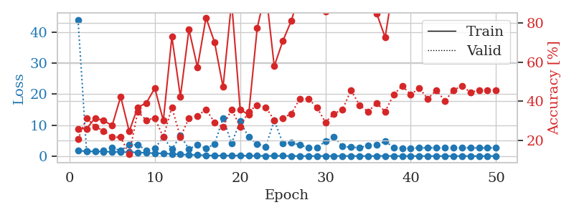
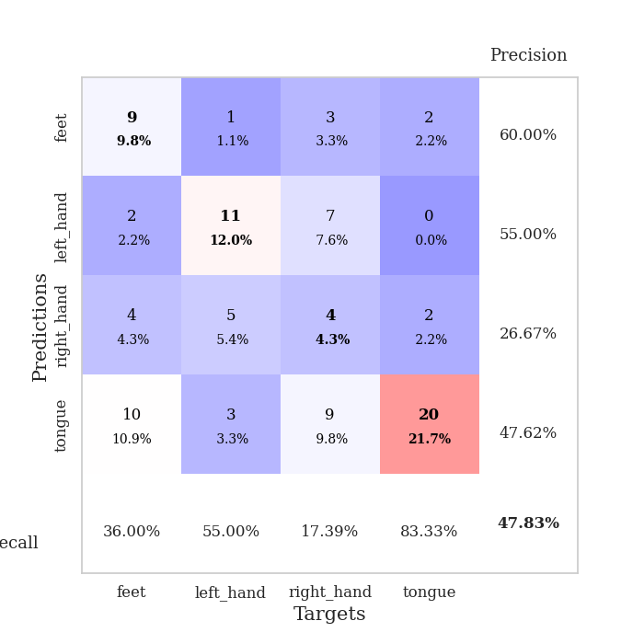
train_loss | valid_loss | train_accuracy | valid_accuracy | dur | train_misclass | valid_misclass
1.8031119108 | 44.02222426 | 0.26086956522 | 0.20652173913 | 1.1504142284 | 26.086956522 | 20.652173913
1.4999595103 | 1.6232127159 | 0.26086956522 | 0.3152173913 | 1.1496713161 | 26.086956522 | 31.52173913
1.4785514811 | 1.5338668046 | 0.3152173913 | 0.27173913043 | 1.1481907368 | 31.52173913 | 27.173913043
1.4451441039 | 1.8358876809 | 0.30163043478 | 0.25 | 1.1499421597 | 30.163043478 | 25
1.3515413222 | 2.6852477115 | 0.27717391304 | 0.21739130435 | 1.1499869823 | 27.717391304 | 21.739130435
1.2963401079 | 1.6933549383 | 0.42391304348 | 0.21739130435 | 1.1509542465 | 42.391304348 | 21.739130435
1.2574421323 | 3.7522696516 | 0.2472826087 | 0.13043478261 | 1.1502408981 | 24.72826087 | 13.043478261
1.1859944048 | 3.6174224149 | 0.36956521739 | 0.34782608696 | 1.1498038769 | 36.956521739 | 34.782608696
1.030263779 | 1.9033618388 | 0.39130434783 | 0.30434782609 | 1.1501066685 | 39.130434783 | 30.434782609
0.91196450202 | 2.4354906756 | 0.46739130435 | 0.3152173913 | 1.1503150463 | 46.739130435 | 31.52173913
0.86083914663 | 6.1774445409 | 0.30163043478 | 0.21739130435 | 1.1500000954 | 30.163043478 | 21.739130435
0.66738885771 | 2.1450553562 | 0.72826086957 | 0.36956521739 | 1.150853157 | 72.826086957 | 36.956521739
0.56433918036 | 6.5840879316 | 0.42391304348 | 0.21739130435 | 1.150990963 | 42.391304348 | 21.739130435
0.36790222448 | 2.298846079 | 0.76630434783 | 0.3152173913 | 1.1512329578 | 76.630434783 | 31.52173913
0.36459425124 | 3.5391267383 | 0.57336956522 | 0.32608695652 | 1.1506018639 | 57.336956522 | 32.608695652
0.22114106025 | 2.4859353874 | 0.82608695652 | 0.35869565217 | 1.1495783329 | 82.608695652 | 35.869565217
0.15269122605 | 3.870542547 | 0.70108695652 | 0.29347826087 | 1.1503601074 | 70.108695652 | 29.347826087
0.15518350041 | 12.290866354 | 0.47282608696 | 0.27173913043 | 1.1507189274 | 47.282608696 | 27.173913043
0.13275650921 | 4.0627170853 | 0.90760869565 | 0.35869565217 | 1.151009798 | 90.760869565 | 35.869565217
0.19531302114 | 11.2308151 | 0.35869565217 | 0.27173913043 | 1.1517982483 | 35.869565217 | 27.173913043
0.0651652981 | 6.0840802193 | 0.33152173913 | 0.34782608696 | 1.1510169506 | 33.152173913 | 34.782608696
0.10346797182 | 3.9063677373 | 0.77173913043 | 0.38043478261 | 1.1515922546 | 77.173913043 | 38.043478261
0.056936889654 | 3.0437707486 | 0.96467391304 | 0.36956521739 | 1.1526970863 | 96.467391304 | 36.956521739
0.081112340224 | 11.54354025 | 0.57880434783 | 0.30434782609 | 1.1506330967 | 57.880434783 | 30.434782609
0.06750836936 | 4.1791471709 | 0.70652173913 | 0.3152173913 | 1.1517724991 | 70.652173913 | 31.52173913
0.026848964231 | 4.302633555 | 0.8097826087 | 0.33695652174 | 1.1499896049 | 80.97826087 | 33.695652174
0.023856735545 | 3.5767238036 | 0.95652173913 | 0.41304347826 | 1.1516373158 | 95.652173913 | 41.304347826
0.012154400951 | 2.7295869019 | 1 | 0.41304347826 | 1.1515655518 | 100 | 41.304347826
0.0081398015647 | 2.7891284176 | 1 | 0.36956521739 | 1.1507771015 | 100 | 36.956521739
0.038677488398 | 4.7055338984 | 0.85869565217 | 0.29347826087 | 1.1514794827 | 85.869565217 | 29.347826087
0.029524114165 | 6.2595798451 | 0.90489130435 | 0.33695652174 | 1.1521904469 | 90.489130435 | 33.695652174
0.032228439044 | 3.1286230087 | 1 | 0.35869565217 | 1.1523141861 | 100 | 35.869565217
0.024512143416 | 2.8528880347 | 0.9972826087 | 0.45652173913 | 1.1518514156 | 99.72826087 | 45.652173913
0.0090244662538 | 2.7128449005 | 1 | 0.38043478261 | 1.1517112255 | 100 | 38.043478261
0.0092845616391 | 3.4160269551 | 0.99456521739 | 0.34782608696 | 1.1510286331 | 99.456521739 | 34.782608696
0.027640657019 | 3.6318711613 | 0.84782608696 | 0.39130434783 | 1.1513488293 | 84.782608696 | 39.130434783
0.052046756093 | 4.7115155303 | 0.72554347826 | 0.34782608696 | 1.1513900757 | 72.554347826 | 34.782608696
0.0063888232006 | 2.8061473059 | 1 | 0.4347826087 | 1.1510145664 | 100 | 43.47826087
0.010990313176 | 2.5645039289 | 1 | 0.47826086957 | 1.1508381367 | 100 | 47.826086957
0.029971482282 | 2.5493569685 | 1 | 0.4347826087 | 1.1508362293 | 100 | 43.47826087
0.0028369187962 | 2.6307623697 | 1 | 0.46739130435 | 1.1509552002 | 100 | 46.739130435
0.0030518539462 | 2.6971896109 | 1 | 0.41304347826 | 1.1517233849 | 100 | 41.304347826
0.0040136790814 | 2.6493164975 | 1 | 0.45652173913 | 1.1516149044 | 100 | 45.652173913
0.0035404732663 | 2.6636583287 | 1 | 0.40217391304 | 1.152043581 | 100 | 40.217391304
0.0029653190564 | 2.677378188 | 1 | 0.45652173913 | 1.151535511 | 100 | 45.652173913
0.0048013626789 | 2.7200456806 | 1 | 0.47826086957 | 1.152248621 | 100 | 47.826086957
0.0027965928375 | 2.6558276985 | 1 | 0.44565217391 | 1.1517381668 | 100 | 44.565217391
0.0038370552129 | 2.6472199067 | 1 | 0.45652173913 | 1.1515786648 | 100 | 45.652173913
0.0037244731996 | 2.6500302916 | 1 | 0.45652173913 | 1.1515467167 | 100 | 45.652173913
0.0048606431734 | 2.7122071411 | 1 | 0.45652173913 | 1.1519985199 | 100 | 45.652173913

Best Val accuracy is 0.4782608695652174 and Best test accuracy is 0.45689655172413796

Sheet9
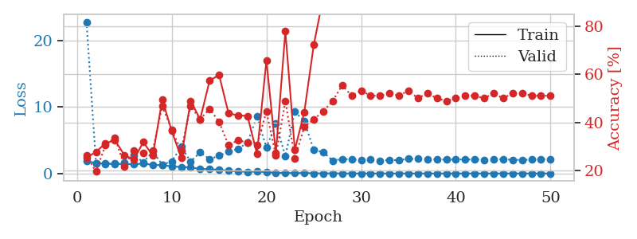
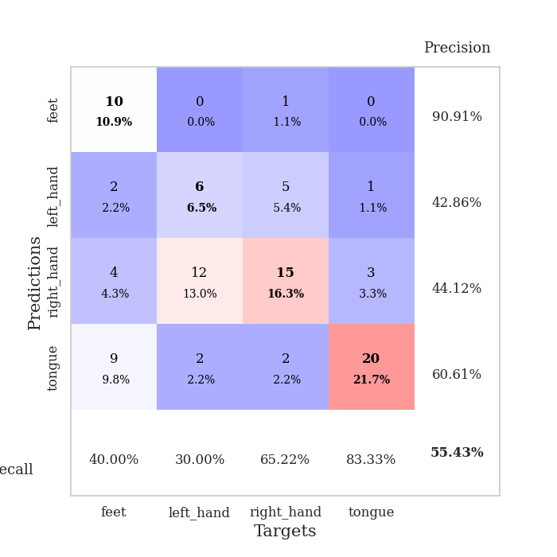
train_loss | valid_loss | train_accuracy | valid_accuracy | dur | train_misclass | valid_misclass
1.8574146084 | 22.757651702 | 0.2527173913 | 0.26086956522 | 1.149490118 | 25.27173913 | 26.086956522
1.5581122015 | 1.5793973207 | 0.27717391304 | 0.19565217391 | 1.1480798721 | 27.717391304 | 19.565217391
1.4286682087 | 1.524189239 | 0.3125 | 0.30434782609 | 1.1499185562 | 31.25 | 30.434782609
1.432569084 | 1.5426384729 | 0.32608695652 | 0.33695652174 | 1.1481993198 | 32.608695652 | 33.695652174
1.4204981379 | 1.6423732664 | 0.26358695652 | 0.21739130435 | 1.1485075951 | 26.358695652 | 21.739130435
1.3884732671 | 2.7713095727 | 0.24456521739 | 0.28260869565 | 1.1497325897 | 24.456521739 | 28.260869565
1.4745313707 | 1.6774998178 | 0.31793478261 | 0.27173913043 | 1.1510047913 | 31.793478261 | 27.173913043
1.2995750697 | 3.3113392021 | 0.26086956522 | 0.28260869565 | 1.150169611 | 26.086956522 | 28.260869565
1.2457255851 | 1.3294981822 | 0.49456521739 | 0.46739130435 | 1.1502685547 | 49.456521739 | 46.739130435
1.0758220268 | 1.8142345263 | 0.36413043478 | 0.36956521739 | 1.1490650177 | 36.413043478 | 36.956521739
0.97105102176 | 4.0236179829 | 0.2527173913 | 0.28260869565 | 1.1502616405 | 25.27173913 | 28.260869565
0.91459708369 | 1.7902358822 | 0.48913043478 | 0.46739130435 | 1.1503481865 | 48.913043478 | 46.739130435
0.67115753889 | 3.1881943786 | 0.41304347826 | 0.41304347826 | 1.149828434 | 41.304347826 | 41.304347826
0.64890335954 | 2.1393179634 | 0.57336956522 | 0.45652173913 | 1.150498867 | 57.336956522 | 45.652173913
0.5595633854 | 2.6703037905 | 0.59782608696 | 0.40217391304 | 1.1498534679 | 59.782608696 | 40.217391304
0.39842072259 | 3.2609503269 | 0.4375 | 0.30434782609 | 1.1502459049 | 43.75 | 30.434782609
0.31830310822 | 3.6969208303 | 0.42934782609 | 0.32608695652 | 1.1504123211 | 42.934782609 | 32.608695652
0.23862081896 | 4.6340789588 | 0.42663043478 | 0.3152173913 | 1.1500663757 | 42.663043478 | 31.52173913
0.28889679228 | 8.5474150699 | 0.26902173913 | 0.30434782609 | 1.1506137848 | 26.902173913 | 30.434782609
0.19088068669 | 3.9002437799 | 0.65760869565 | 0.44565217391 | 1.1508071423 | 65.760869565 | 44.565217391
0.10312967999 | 7.4592061872 | 0.27173913043 | 0.26086956522 | 1.1513087749 | 27.173913043 | 26.086956522
0.081321467888 | 2.6230559142 | 0.77989130435 | 0.48913043478 | 1.1506860256 | 77.989130435 | 48.913043478
0.047690105948 | 9.2909374237 | 0.28532608696 | 0.25 | 1.1529757977 | 28.532608696 | 25
0.076449793844 | 7.8626520737 | 0.44293478261 | 0.38043478261 | 1.1509869099 | 44.293478261 | 38.043478261
0.028056909209 | 3.5328488454 | 0.72282608696 | 0.41304347826 | 1.1511580944 | 72.282608696 | 41.304347826
0.01546961103 | 3.2165839879 | 0.92119565217 | 0.44565217391 | 1.1515831947 | 92.119565217 | 44.565217391
0.016254848335 | 1.933700406 | 0.99456521739 | 0.48913043478 | 1.1518559456 | 99.456521739 | 48.913043478
0.0070948752666 | 2.1751320569 | 1 | 0.55434782609 | 1.1521527767 | 100 | 55.434782609
0.0053680904169 | 2.1117872311 | 1 | 0.51086956522 | 1.151581049 | 100 | 51.086956522
0.0058282003257 | 1.9638641088 | 1 | 0.53260869565 | 1.1507463455 | 100 | 53.260869565
0.0026469998639 | 2.069320461 | 1 | 0.51086956522 | 1.1507441998 | 100 | 51.086956522
0.0033850973287 | 1.9233038581 | 1 | 0.51086956522 | 1.1517255306 | 100 | 51.086956522
0.0022719879673 | 2.0319765754 | 1 | 0.52173913043 | 1.1516919136 | 100 | 52.173913043
0.0018107652798 | 1.9802354522 | 1 | 0.51086956522 | 1.1509728432 | 100 | 51.086956522
0.0057042899476 | 2.2240578506 | 1 | 0.53260869565 | 1.1509509087 | 100 | 53.260869565
0.001893550217 | 2.1930518047 | 1 | 0.5 | 1.1515929699 | 100 | 50
0.003827347467 | 2.1165120291 | 1 | 0.52173913043 | 1.1521375179 | 100 | 52.173913043
0.0015559120954 | 2.1133979403 | 1 | 0.5 | 1.1513915062 | 100 | 50
0.0024253990028 | 2.0743000404 | 1 | 0.48913043478 | 1.1523797512 | 100 | 48.913043478
0.0022899319213 | 2.1167967734 | 1 | 0.5 | 1.1523933411 | 100 | 50
0.0021472456941 | 2.0855782343 | 1 | 0.51086956522 | 1.1515276432 | 100 | 51.086956522
0.0022209389072 | 2.1167026292 | 1 | 0.51086956522 | 1.1521635056 | 100 | 51.086956522
0.0019710766121 | 2.0510506526 | 1 | 0.5 | 1.1518087387 | 100 | 50
0.0017557104508 | 2.0840833913 | 1 | 0.52173913043 | 1.1524279118 | 100 | 52.173913043
0.0020428318714 | 2.124300625 | 1 | 0.5 | 1.1518836021 | 100 | 50
0.0023070364778 | 2.060936679 | 1 | 0.52173913043 | 1.1522903442 | 100 | 52.173913043
0.0012153221817 | 2.0439482979 | 1 | 0.52173913043 | 1.1525375843 | 100 | 52.173913043
0.0046078685251 | 2.0663580065 | 1 | 0.51086956522 | 1.1527147293 | 100 | 51.086956522
0.0013779886687 | 2.1289269924 | 1 | 0.51086956522 | 1.152474165 | 100 | 51.086956522
0.0026200588226 | 2.1203842474 | 1 | 0.51086956522 | 1.1524922848 | 100 | 51.086956522

Best Val accuracy is 0.5543478260869565 and Best test accuracy is 0.33620689655172414

Sheet10
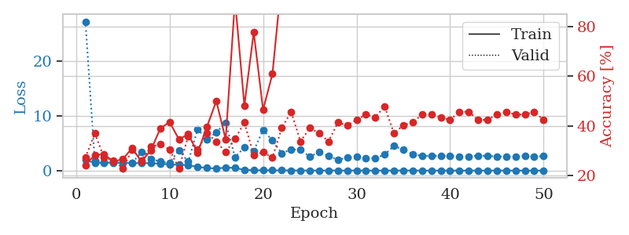
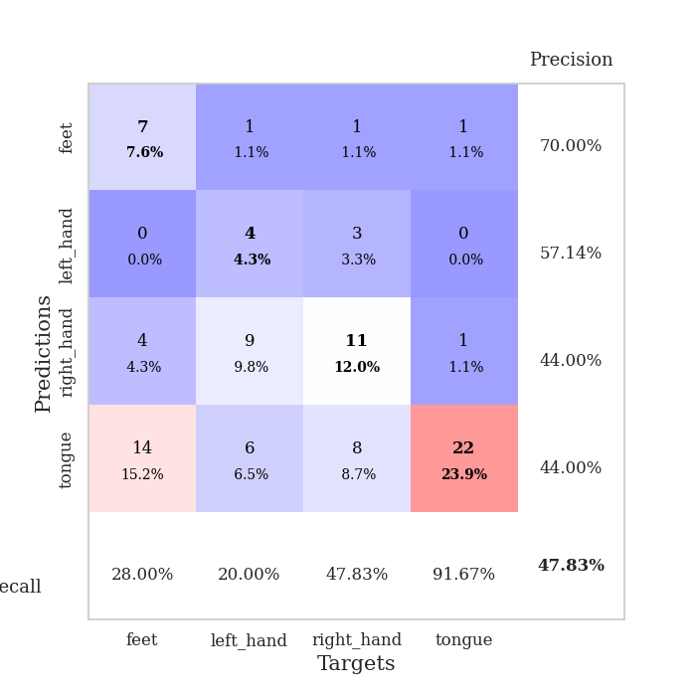
train_loss | valid_loss | train_accuracy | valid_accuracy | dur | train_misclass | valid_misclass
1.9299220935 | 27.259265402 | 0.24184782609 | 0.27173913043 | 1.155061245 | 24.184782609 | 27.173913043
1.3961346668 | 1.7914315566 | 0.28260869565 | 0.36956521739 | 1.1497132778 | 28.260869565 | 36.956521739
1.4333347911 | 1.5192835642 | 0.28532608696 | 0.27173913043 | 1.1489040852 | 28.532608696 | 27.173913043
1.4163980484 | 1.500356244 | 0.25543478261 | 0.26086956522 | 1.1508600712 | 25.543478261 | 26.086956522
1.4504141237 | 1.3945425231 | 0.26630434783 | 0.22826086957 | 1.1500525475 | 26.630434783 | 22.826086957
1.3891076523 | 1.4107784758 | 0.3097826087 | 0.30434782609 | 1.1498003006 | 30.97826087 | 30.434782609
1.3562491096 | 3.3829051204 | 0.25543478261 | 0.26086956522 | 1.1499760151 | 25.543478261 | 26.086956522
1.3438536862 | 2.1796579879 | 0.30163043478 | 0.3152173913 | 1.1501612663 | 30.163043478 | 31.52173913
1.2504365703 | 1.6179175429 | 0.38858695652 | 0.32608695652 | 1.149491787 | 38.858695652 | 32.608695652
1.1293120021 | 1.4157752524 | 0.41576086957 | 0.30434782609 | 1.1511313915 | 41.576086957 | 30.434782609
1.0500087971 | 3.7159703193 | 0.34510869565 | 0.22826086957 | 1.1504101753 | 34.510869565 | 22.826086957
0.99079295086 | 1.6217856563 | 0.36684782609 | 0.35869565217 | 1.1500608921 | 36.684782609 | 35.869565217
0.66657650212 | 7.5562080715 | 0.29076086957 | 0.30434782609 | 1.1504240036 | 29.076086957 | 30.434782609
0.47670305099 | 5.6683108081 | 0.39673913043 | 0.36956521739 | 1.1504452229 | 39.673913043 | 36.956521739
0.36472803192 | 6.9887410454 | 0.5 | 0.33695652174 | 1.1505219936 | 50 | 33.695652174
0.5654854849 | 8.733810176 | 0.34510869565 | 0.29347826087 | 1.1507723331 | 34.510869565 | 29.347826087
0.47352609103 | 2.4505565633 | 0.90760869565 | 0.34782608696 | 1.1503658295 | 90.760869565 | 34.782608696
0.12943595138 | 4.2430780452 | 0.48097826087 | 0.41304347826 | 1.1509613991 | 48.097826087 | 41.304347826
0.073757450987 | 3.5987256092 | 0.77717391304 | 0.28260869565 | 1.1531419754 | 77.717391304 | 28.260869565
0.046191344483 | 7.4372615192 | 0.46467391304 | 0.29347826087 | 1.1502757072 | 46.467391304 | 29.347826087
0.040233800795 | 5.4803386564 | 0.60869565217 | 0.27173913043 | 1.1507639885 | 60.869565217 | 27.173913043
0.0472208698 | 3.1866399413 | 0.99184782609 | 0.39130434783 | 1.1509311199 | 99.184782609 | 39.130434783
0.030642281671 | 3.8489113217 | 0.98913043478 | 0.45652173913 | 1.1509170532 | 98.913043478 | 45.652173913
0.02089429258 | 3.7787357102 | 0.99456521739 | 0.33695652174 | 1.1526107788 | 99.456521739 | 33.695652174
0.010812261025 | 2.5577387913 | 0.99456521739 | 0.39130434783 | 1.1518111229 | 99.456521739 | 39.130434783
0.016210790678 | 3.3710519231 | 1 | 0.36956521739 | 1.1519207954 | 100 | 36.956521739
0.016059075462 | 2.6561514398 | 0.9972826087 | 0.33695652174 | 1.1517450809 | 99.72826087 | 33.695652174
0.015531824244 | 2.0051915231 | 0.9972826087 | 0.41304347826 | 1.1525466442 | 99.72826087 | 41.304347826
0.012542874356 | 2.3709853836 | 1 | 0.40217391304 | 1.1515815258 | 100 | 40.217391304
0.017069596863 | 2.5460531193 | 1 | 0.42391304348 | 1.1528279781 | 100 | 42.391304348
0.004479765048 | 2.2394679785 | 1 | 0.44565217391 | 1.1517198086 | 100 | 44.565217391
0.0081838913269 | 2.241512905 | 1 | 0.4347826087 | 1.1529066563 | 100 | 43.47826087
0.004902161735 | 2.9510654211 | 1 | 0.47826086957 | 1.1523997784 | 100 | 47.826086957
0.0087623152042 | 4.4855260849 | 0.89673913043 | 0.36956521739 | 1.1504991055 | 89.673913043 | 36.956521739
0.021433913858 | 3.8361308575 | 0.98913043478 | 0.40217391304 | 1.151144743 | 98.913043478 | 40.217391304
0.0056987618445 | 2.9894080058 | 1 | 0.41304347826 | 1.1516263485 | 100 | 41.304347826
0.0034882737837 | 2.6938451373 | 1 | 0.44565217391 | 1.1517138481 | 100 | 44.565217391
0.002898750015 | 2.672916713 | 1 | 0.44565217391 | 1.1514604092 | 100 | 44.565217391
0.0015593139422 | 2.7044755739 | 1 | 0.4347826087 | 1.1518199444 | 100 | 43.47826087
0.0025978931207 | 2.6489488042 | 1 | 0.42391304348 | 1.1521065235 | 100 | 42.391304348
0.0038500866757 | 2.5260763065 | 1 | 0.45652173913 | 1.15157938 | 100 | 45.652173913
0.0025226809749 | 2.6086567485 | 1 | 0.45652173913 | 1.1518027782 | 100 | 45.652173913
0.0058025890555 | 2.7166004803 | 1 | 0.42391304348 | 1.1524958611 | 100 | 42.391304348
0.0019595058446 | 2.7045710294 | 1 | 0.42391304348 | 1.1520700455 | 100 | 42.391304348
0.0065163802178 | 2.5496298852 | 1 | 0.44565217391 | 1.1528937817 | 100 | 44.565217391
0.002030368597 | 2.5868782479 | 1 | 0.45652173913 | 1.1528747082 | 100 | 45.652173913
0.0016020693058 | 2.5238044366 | 1 | 0.44565217391 | 1.1536617279 | 100 | 44.565217391
0.0050710557375 | 2.6603087135 | 1 | 0.44565217391 | 1.1529796124 | 100 | 44.565217391
0.00095508102095 | 2.5754013165 | 1 | 0.45652173913 | 1.1526587009 | 100 | 45.652173913
0.0019384532618 | 2.6377600898 | 1 | 0.42391304348 | 1.1530544758 | 100 | 42.391304348

Best Val accuracy is 0.4782608695652174 and Best test accuracy is 0.31896551724137934

