Sheet
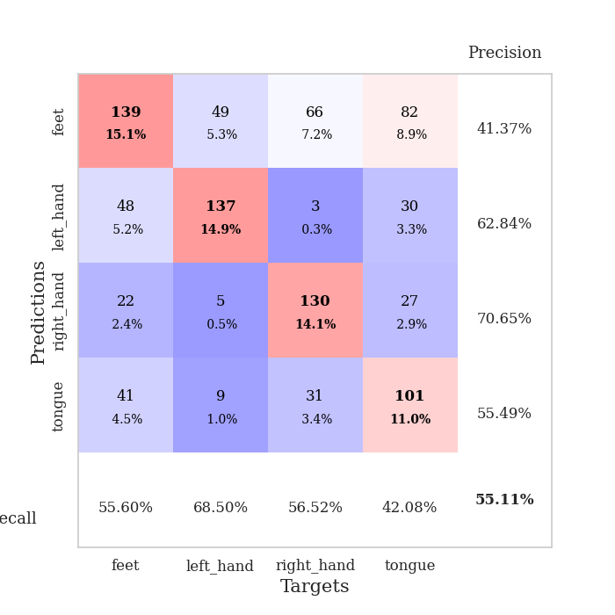
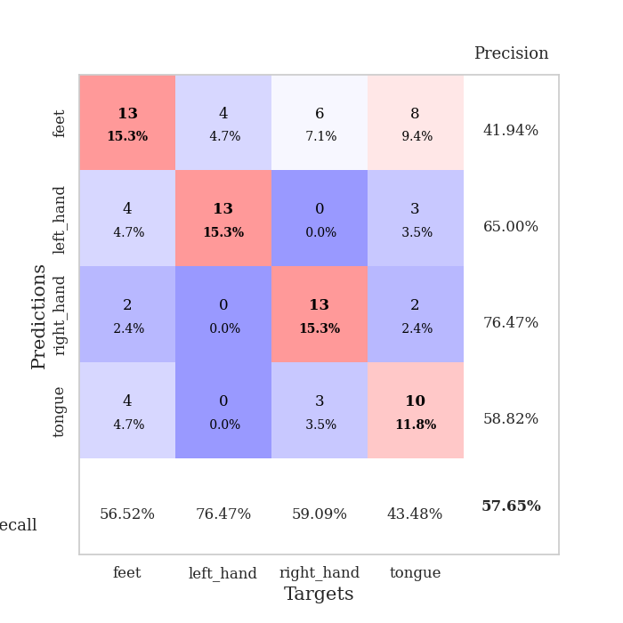
best_val_acc | best_val_los | best_test_acc
0.61956521739 | 1.1821727882 | 0.60344827586
0.59782608696 | 0.96228167026 | 0.56896551724
0.45652173913 | 1.4574469483 | 0.40517241379
0.61956521739 | 1.2271865814 | 0.55172413793
0.55434782609 | 1.1303712907 | 0.55172413793
0.54347826087 | 1.5165188157 | 0.49137931034
0.54347826087 | 1.1887773224 | 0.54310344828
0.54347826087 | 1.1056330852 | 0.41379310345
0.53260869565 | 1.5625869761 | 0.48275862069
0.5 | 1.1217661785 | 0.45689655172

Mean,std Val accuracy is 0.5510869565217391 , 0.051252430129730416 and mean, std test accuracy is 0.506896551724138 , 0.06736652074525334

Sheet1
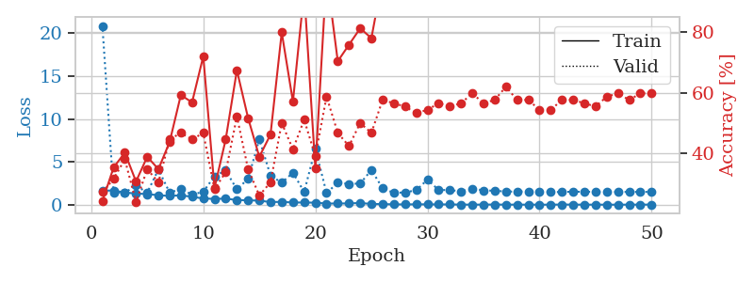
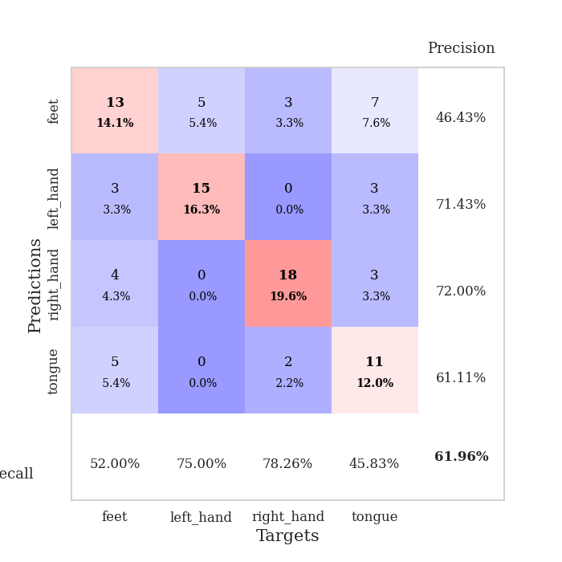
train_loss | valid_loss | train_accuracy | valid_accuracy | dur | train_misclass | valid_misclass
1.6378157968 | 20.866789776 | 0.24184782609 | 0.27173913043 | 1.1530334949 | 24.184782609 | 27.173913043
1.6587232662 | 1.4417840087 | 0.35326086957 | 0.3152173913 | 1.1492819786 | 35.326086957 | 31.52173913
1.4087838194 | 1.4065904151 | 0.40217391304 | 0.38043478261 | 1.1486067772 | 40.217391304 | 38.043478261
1.3135558522 | 2.2250886067 | 0.30706521739 | 0.23913043478 | 1.1488683224 | 30.706521739 | 23.913043478
1.2343286224 | 1.413036051 | 0.38858695652 | 0.34782608696 | 1.1497759819 | 38.858695652 | 34.782608696
1.1114094206 | 4.0989734712 | 0.34782608696 | 0.30434782609 | 1.1500947475 | 34.782608696 | 30.434782609
1.0185611896 | 1.4118966693 | 0.4375 | 0.44565217391 | 1.1500413418 | 43.75 | 44.565217391
1.1015732496 | 1.8302120489 | 0.59239130435 | 0.46739130435 | 1.1497809887 | 59.239130435 | 46.739130435
0.91578152646 | 1.1821727882 | 0.56793478261 | 0.44565217391 | 1.1493771076 | 56.793478261 | 44.565217391
0.73188811929 | 1.5027209779 | 0.72010869565 | 0.46739130435 | 1.1493155956 | 72.010869565 | 46.739130435
0.67234676558 | 3.3145966012 | 0.28532608696 | 0.28260869565 | 1.1500360966 | 28.532608696 | 28.260869565
0.71620168699 | 3.9915528816 | 0.44565217391 | 0.33695652174 | 1.1497867107 | 44.565217391 | 33.695652174
0.53705556367 | 1.7898434867 | 0.67391304348 | 0.52173913043 | 1.1501104832 | 67.391304348 | 52.173913043
0.52197853897 | 3.0173024406 | 0.51630434783 | 0.34782608696 | 1.1493954659 | 51.630434783 | 34.782608696
0.46827291276 | 7.6346583781 | 0.38858695652 | 0.26086956522 | 1.1500866413 | 38.858695652 | 26.086956522
0.30859547206 | 3.4088262371 | 0.46195652174 | 0.30434782609 | 1.1503596306 | 46.195652174 | 30.434782609
0.32976254821 | 2.5566231997 | 0.79891304348 | 0.5 | 1.1498749256 | 79.891304348 | 50
0.25763399219 | 3.7402532412 | 0.57065217391 | 0.41304347826 | 1.1509048939 | 57.065217391 | 41.304347826
0.25431379967 | 1.4883627425 | 0.9347826087 | 0.51086956522 | 1.1505053043 | 93.47826087 | 51.086956522
0.2364558401 | 6.5160118912 | 0.35054347826 | 0.39130434783 | 1.1500265598 | 35.054347826 | 39.130434783
0.13712181523 | 1.3604607064 | 0.99184782609 | 0.58695652174 | 1.1505246162 | 99.184782609 | 58.695652174
0.14064482948 | 2.565689543 | 0.70380434783 | 0.46739130435 | 1.1514291763 | 70.380434783 | 46.739130435
0.14991518701 | 2.4256878417 | 0.75815217391 | 0.42391304348 | 1.15051651 | 75.815217391 | 42.391304348
0.2006233439 | 2.4720630024 | 0.8125 | 0.5 | 1.1509580612 | 81.25 | 50
0.085162255063 | 4.0493777006 | 0.77989130435 | 0.46739130435 | 1.1507616043 | 77.989130435 | 46.739130435
0.072703006576 | 1.921816235 | 0.97826086957 | 0.57608695652 | 1.1507894993 | 97.826086957 | 57.608695652
0.037884298763 | 1.3786011571 | 1 | 0.5652173913 | 1.1508758068 | 100 | 56.52173913
0.034035571942 | 1.4359192796 | 1 | 0.55434782609 | 1.1507720947 | 100 | 55.434782609
0.044208588929 | 1.6860554996 | 0.98913043478 | 0.53260869565 | 1.1512284279 | 98.913043478 | 53.260869565
0.039473692168 | 2.922325155 | 0.94565217391 | 0.54347826087 | 1.1507146358 | 94.565217391 | 54.347826087
0.03248807944 | 1.7130792452 | 0.9972826087 | 0.5652173913 | 1.1506023407 | 99.72826087 | 56.52173913
0.030986892955 | 1.7122034094 | 1 | 0.55434782609 | 1.1512565613 | 100 | 55.434782609
0.011820090226 | 1.5486749722 | 1 | 0.5652173913 | 1.1514303684 | 100 | 56.52173913
0.0098498858772 | 1.8817086272 | 1 | 0.59782608696 | 1.1514353752 | 100 | 59.782608696
0.0095490051848 | 1.6669135612 | 1 | 0.5652173913 | 1.1512608528 | 100 | 56.52173913
0.022022689076 | 1.6312388752 | 1 | 0.57608695652 | 1.1515510082 | 100 | 57.608695652
0.0070685376919 | 1.5358620053 | 1 | 0.61956521739 | 1.1514658928 | 100 | 61.956521739
0.0094300381885 | 1.5318229458 | 1 | 0.57608695652 | 1.1508777142 | 100 | 57.608695652
0.0031177995273 | 1.5527983904 | 1 | 0.57608695652 | 1.150523901 | 100 | 57.608695652
0.0045273259849 | 1.5621338564 | 1 | 0.54347826087 | 1.1510715485 | 100 | 54.347826087
0.0019813974732 | 1.4837670948 | 1 | 0.54347826087 | 1.1510369778 | 100 | 54.347826087
0.01934881386 | 1.4764270109 | 1 | 0.57608695652 | 1.1511399746 | 100 | 57.608695652
0.010331895045 | 1.5213581531 | 1 | 0.57608695652 | 1.1516964436 | 100 | 57.608695652
0.0052153185635 | 1.5062405493 | 1 | 0.5652173913 | 1.1516201496 | 100 | 56.52173913
0.0060325941443 | 1.5082949607 | 1 | 0.55434782609 | 1.1518244743 | 100 | 55.434782609
0.0038395197607 | 1.4978532947 | 1 | 0.58695652174 | 1.1515901089 | 100 | 58.695652174
0.0027976334664 | 1.4822014933 | 1 | 0.59782608696 | 1.1511266232 | 100 | 59.782608696
0.0061790039434 | 1.4972428343 | 1 | 0.57608695652 | 1.1522011757 | 100 | 57.608695652
0.0099703759732 | 1.4894505895 | 1 | 0.59782608696 | 1.1517510414 | 100 | 59.782608696
0.01305815868 | 1.4994643097 | 1 | 0.59782608696 | 1.1519069672 | 100 | 59.782608696

Best Val accuracy is 0.6195652173913043 and Best test accuracy is 0.603448275862069

Sheet2
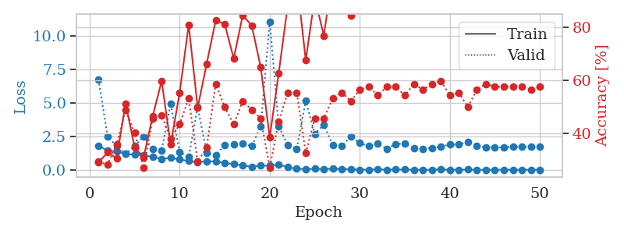
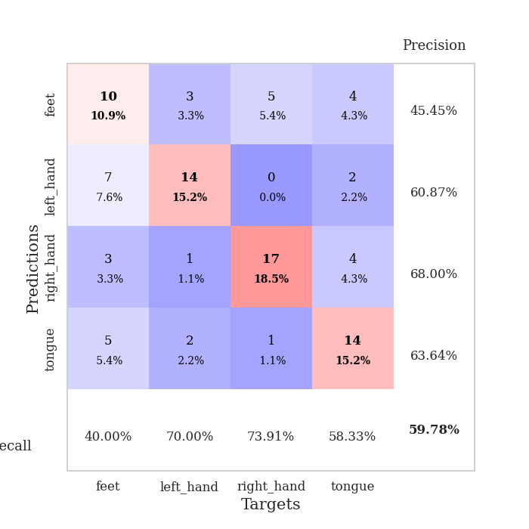
train_loss | valid_loss | train_accuracy | valid_accuracy | dur | train_misclass | valid_misclass
1.8243341861 | 6.742523919 | 0.29076086957 | 0.29347826087 | 1.1540336609 | 29.076086957 | 29.347826087
1.421613631 | 2.475759698 | 0.32880434783 | 0.28260869565 | 1.147544384 | 32.880434783 | 28.260869565
1.39715366 | 1.7814966129 | 0.30706521739 | 0.35869565217 | 1.1493520737 | 30.706521739 | 35.869565217
1.1859986808 | 1.196479222 | 0.51358695652 | 0.48913043478 | 1.1488852501 | 51.358695652 | 48.913043478
1.1401748035 | 1.7772210318 | 0.34782608696 | 0.40217391304 | 1.1476027966 | 34.782608696 | 40.217391304
1.0783184793 | 2.4975886034 | 0.3097826087 | 0.27173913043 | 1.1503367424 | 30.97826087 | 27.173913043
0.97581307525 | 1.5456465016 | 0.46467391304 | 0.45652173913 | 1.1499547958 | 46.467391304 | 45.652173913
0.81494869875 | 1.4655883209 | 0.59782608696 | 0.46739130435 | 1.1497061253 | 59.782608696 | 46.739130435
0.89595673266 | 4.9565056407 | 0.35869565217 | 0.38043478261 | 1.149574995 | 35.869565217 | 38.043478261
0.78873672434 | 1.3223108623 | 0.55434782609 | 0.4347826087 | 1.1497776508 | 55.434782609 | 43.47826087
0.65969652845 | 0.96228167026 | 0.8097826087 | 0.53260869565 | 1.1504361629 | 80.97826087 | 53.260869565
0.57173794767 | 4.6899437075 | 0.4972826087 | 0.29347826087 | 1.1502504349 | 49.72826087 | 29.347826087
0.6431495327 | 1.2716660655 | 0.66304347826 | 0.34782608696 | 1.1502468586 | 66.304347826 | 34.782608696
0.63616724118 | 1.1152097661 | 0.82608695652 | 0.58695652174 | 1.1499872208 | 82.608695652 | 58.695652174
0.49975401293 | 1.8378485389 | 0.8125 | 0.5 | 1.149834156 | 81.25 | 50
0.4455366167 | 1.8895270928 | 0.68206521739 | 0.4347826087 | 1.1498739719 | 68.206521739 | 43.47826087
0.33034520693 | 1.9585442077 | 0.84510869565 | 0.52173913043 | 1.150094986 | 84.510869565 | 52.173913043
0.23580705763 | 1.7749954618 | 0.80706521739 | 0.48913043478 | 1.1513640881 | 80.706521739 | 48.913043478
0.31428048144 | 3.2420274589 | 0.64945652174 | 0.45652173913 | 1.1501605511 | 64.945652174 | 45.652173913
0.31150698111 | 11.086139223 | 0.38586956522 | 0.27173913043 | 1.1498615742 | 38.586956522 | 27.173913043
0.39206398052 | 3.2636061959 | 0.6277173913 | 0.44565217391 | 1.1503489017 | 62.77173913 | 44.565217391
0.19587362752 | 1.8515452898 | 0.88315217391 | 0.55434782609 | 1.1498787403 | 88.315217391 | 55.434782609
0.081921907304 | 1.5815220708 | 0.97826086957 | 0.55434782609 | 1.1506462097 | 97.826086957 | 55.434782609
0.069720117213 | 5.1635883373 | 0.67663043478 | 0.32608695652 | 1.1500971317 | 67.663043478 | 32.608695652
0.078153252035 | 2.6822968462 | 0.91304347826 | 0.45652173913 | 1.1505978107 | 91.304347826 | 45.652173913
0.071621444127 | 3.3823563845 | 0.76902173913 | 0.45652173913 | 1.1502494812 | 76.902173913 | 45.652173913
0.080260848971 | 1.865432563 | 0.99456521739 | 0.53260869565 | 1.150711298 | 99.456521739 | 53.260869565
0.07369583422 | 1.7902369292 | 0.92663043478 | 0.55434782609 | 1.1507019997 | 92.663043478 | 55.434782609
0.048004495385 | 2.4903553154 | 0.84510869565 | 0.52173913043 | 1.1511297226 | 84.510869565 | 52.173913043
0.017661982778 | 1.9994766194 | 0.9972826087 | 0.5652173913 | 1.1508452892 | 99.72826087 | 56.52173913
0.017019369558 | 1.775077032 | 1 | 0.57608695652 | 1.1516616344 | 100 | 57.608695652
0.040100266246 | 1.9470887236 | 0.99184782609 | 0.54347826087 | 1.151027441 | 99.184782609 | 54.347826087
0.017950259463 | 1.5749626574 | 1 | 0.57608695652 | 1.1505849361 | 100 | 57.608695652
0.031504968604 | 1.9359932516 | 0.9972826087 | 0.57608695652 | 1.15067029 | 99.72826087 | 57.608695652
0.021286846503 | 1.9607777647 | 1 | 0.54347826087 | 1.152089119 | 100 | 54.347826087
0.01246061421 | 1.6364270345 | 1 | 0.58695652174 | 1.1511397362 | 100 | 58.695652174
0.0059073202201 | 1.5771978005 | 1 | 0.5652173913 | 1.1521625519 | 100 | 56.52173913
0.0056723266696 | 1.631189393 | 1 | 0.58695652174 | 1.1507413387 | 100 | 58.695652174
0.038267637083 | 1.7187308229 | 1 | 0.59782608696 | 1.1519796848 | 100 | 59.782608696
0.011776712421 | 1.915050631 | 1 | 0.54347826087 | 1.152312994 | 100 | 54.347826087
0.0096584164041 | 1.8883961232 | 1 | 0.55434782609 | 1.1502697468 | 100 | 55.434782609
0.021597046441 | 2.1157362046 | 1 | 0.5 | 1.1512784958 | 100 | 50
0.009719968104 | 1.785862083 | 1 | 0.5652173913 | 1.1511924267 | 100 | 56.52173913
0.0047649549391 | 1.6966627888 | 1 | 0.58695652174 | 1.1518745422 | 100 | 58.695652174
0.0086842662903 | 1.6666562091 | 1 | 0.57608695652 | 1.1518375874 | 100 | 57.608695652
0.011233274962 | 1.6896858734 | 1 | 0.57608695652 | 1.1520855427 | 100 | 57.608695652
0.0096100761008 | 1.7320161695 | 1 | 0.57608695652 | 1.1516664028 | 100 | 57.608695652
0.0081390021869 | 1.7195864709 | 1 | 0.57608695652 | 1.1518428326 | 100 | 57.608695652
0.014293905859 | 1.7567122397 | 1 | 0.5652173913 | 1.152251482 | 100 | 56.52173913
0.00944101629 | 1.7429618784 | 1 | 0.57608695652 | 1.1532607079 | 100 | 57.608695652

Best Val accuracy is 0.5978260869565217 and Best test accuracy is 0.5689655172413793

Sheet3
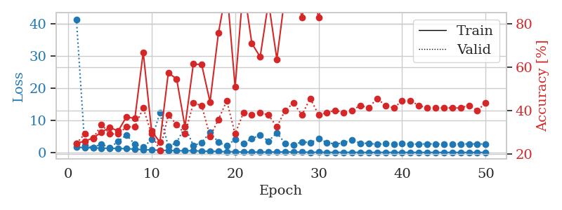
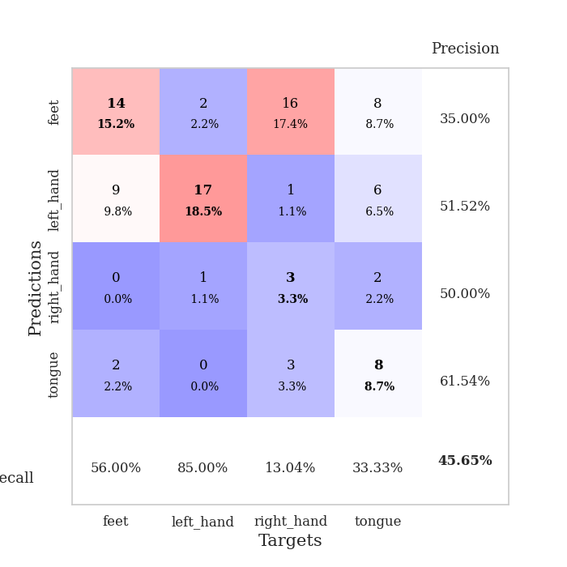
train_loss | valid_loss | train_accuracy | valid_accuracy | dur | train_misclass | valid_misclass
1.6545712585 | 41.363495039 | 0.25 | 0.25 | 1.1505639553 | 25 | 25
1.48374586 | 2.1335704016 | 0.26086956522 | 0.29347826087 | 1.1488277912 | 26.086956522 | 29.347826087
1.4228806547 | 1.5675025142 | 0.27445652174 | 0.27173913043 | 1.1488749981 | 27.445652174 | 27.173913043
1.3070720434 | 2.584032634 | 0.30163043478 | 0.33695652174 | 1.1502306461 | 30.163043478 | 33.695652174
1.2886149313 | 1.4574469483 | 0.32336956522 | 0.29347826087 | 1.1495382786 | 32.336956522 | 29.347826087
1.2444954126 | 3.4585542368 | 0.30706521739 | 0.29347826087 | 1.1498985291 | 30.706521739 | 29.347826087
1.1572333263 | 5.4571760219 | 0.3722826087 | 0.32608695652 | 1.1503224373 | 37.22826087 | 32.608695652
1.0234188619 | 2.5112041131 | 0.36413043478 | 0.32608695652 | 1.1504080296 | 36.413043478 | 32.608695652
0.86442530414 | 1.6390967265 | 0.66847826087 | 0.41304347826 | 1.1504862309 | 66.847826087 | 41.304347826
0.76012150878 | 3.9912362824 | 0.30706521739 | 0.29347826087 | 1.1495344639 | 30.706521739 | 29.347826087
0.69706700807 | 12.29768185 | 0.25543478261 | 0.21739130435 | 1.1504743099 | 25.543478261 | 21.739130435
0.6004097967 | 1.8260914087 | 0.57336956522 | 0.38043478261 | 1.1506214142 | 57.336956522 | 38.043478261
0.52602368204 | 3.0749138127 | 0.54619565217 | 0.33695652174 | 1.1497559547 | 54.619565217 | 33.695652174
0.50924451908 | 8.0244514631 | 0.32608695652 | 0.29347826087 | 1.1509435177 | 32.608695652 | 29.347826087
0.52584641135 | 2.1311924665 | 0.61413043478 | 0.4347826087 | 1.1510190964 | 61.413043478 | 43.47826087
0.40859028503 | 3.0699773768 | 0.61141304348 | 0.42391304348 | 1.152163744 | 61.141304348 | 42.391304348
0.34590301468 | 6.2411748015 | 0.4402173913 | 0.28260869565 | 1.150380373 | 44.02173913 | 28.260869565
0.3283188897 | 3.1811804149 | 0.75543478261 | 0.35869565217 | 1.1508383751 | 75.543478261 | 35.869565217
0.23725450088 | 2.054341451 | 0.96467391304 | 0.44565217391 | 1.1507132053 | 96.467391304 | 44.565217391
0.2299867389 | 4.0671985046 | 0.50815217391 | 0.29347826087 | 1.1510107517 | 50.815217391 | 29.347826087
0.14194104375 | 2.8446281682 | 0.97554347826 | 0.39130434783 | 1.1502249241 | 97.554347826 | 39.130434783
0.13765953011 | 4.3627803015 | 0.70923913043 | 0.38043478261 | 1.1503927708 | 70.923913043 | 38.043478261
0.086402144728 | 5.3001167256 | 0.64673913043 | 0.39130434783 | 1.1507577896 | 64.673913043 | 39.130434783
0.13245479382 | 3.535170638 | 0.89945652174 | 0.38043478261 | 1.1507942677 | 89.945652174 | 38.043478261
0.13751825986 | 6.0997052193 | 0.63586956522 | 0.32608695652 | 1.1512567997 | 63.586956522 | 32.608695652
0.16575597283 | 2.7654948442 | 0.9375 | 0.40217391304 | 1.1512086391 | 93.75 | 40.217391304
0.12900580239 | 2.3515012368 | 0.9972826087 | 0.4347826087 | 1.1510620117 | 99.72826087 | 43.47826087
0.13662928752 | 3.311903767 | 0.82880434783 | 0.38043478261 | 1.1512153149 | 82.880434783 | 38.043478261
0.048667858719 | 3.0092000754 | 0.9972826087 | 0.45652173913 | 1.150908947 | 99.72826087 | 45.652173913
0.082775300672 | 4.2262640207 | 0.82608695652 | 0.38043478261 | 1.1515665054 | 82.608695652 | 38.043478261
0.038275319354 | 3.1020809049 | 0.9972826087 | 0.39130434783 | 1.1504216194 | 99.72826087 | 39.130434783
0.025243594063 | 2.572697712 | 1 | 0.40217391304 | 1.150799036 | 100 | 40.217391304
0.033472056035 | 3.0299672251 | 0.9972826087 | 0.39130434783 | 1.1506819725 | 99.72826087 | 39.130434783
0.047665244566 | 3.8095650362 | 0.98369565217 | 0.40217391304 | 1.1503584385 | 98.369565217 | 40.217391304
0.020104895376 | 2.8842293905 | 0.9972826087 | 0.42391304348 | 1.1514642239 | 99.72826087 | 42.391304348
0.024456197482 | 2.8352862026 | 1 | 0.41304347826 | 1.1509568691 | 100 | 41.304347826
0.011615878224 | 2.5007700505 | 1 | 0.45652173913 | 1.1512784958 | 100 | 45.652173913
0.033812870752 | 2.7803639329 | 1 | 0.42391304348 | 1.1512606144 | 100 | 42.391304348
0.010883989086 | 2.5021399726 | 1 | 0.41304347826 | 1.151717186 | 100 | 41.304347826
0.013291156334 | 2.7704728168 | 1 | 0.44565217391 | 1.1508738995 | 100 | 44.565217391
0.022429964675 | 2.6081560384 | 1 | 0.44565217391 | 1.1519393921 | 100 | 44.565217391
0.024991644354 | 2.6019002769 | 1 | 0.42391304348 | 1.1514830589 | 100 | 42.391304348
0.0066386454754 | 2.652468671 | 1 | 0.41304347826 | 1.151209116 | 100 | 41.304347826
0.017837011367 | 2.6360551689 | 1 | 0.41304347826 | 1.151324749 | 100 | 41.304347826
0.009580022291 | 2.6287498474 | 1 | 0.41304347826 | 1.1514270306 | 100 | 41.304347826
0.0069116366769 | 2.6172508053 | 1 | 0.41304347826 | 1.1512815952 | 100 | 41.304347826
0.0071930209397 | 2.6586013773 | 1 | 0.41304347826 | 1.1522681713 | 100 | 41.304347826
0.0099988261455 | 2.6398570745 | 1 | 0.42391304348 | 1.1521134377 | 100 | 42.391304348
0.0075925950609 | 2.6516378755 | 1 | 0.40217391304 | 1.1523683071 | 100 | 40.217391304
0.015360229013 | 2.6018500639 | 1 | 0.4347826087 | 1.1521792412 | 100 | 43.47826087

Best Val accuracy is 0.45652173913043476 and Best test accuracy is 0.4051724137931034

Sheet4
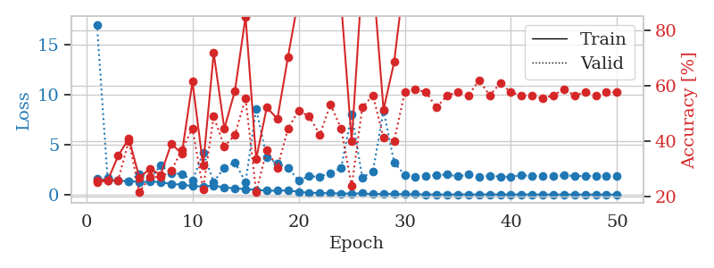
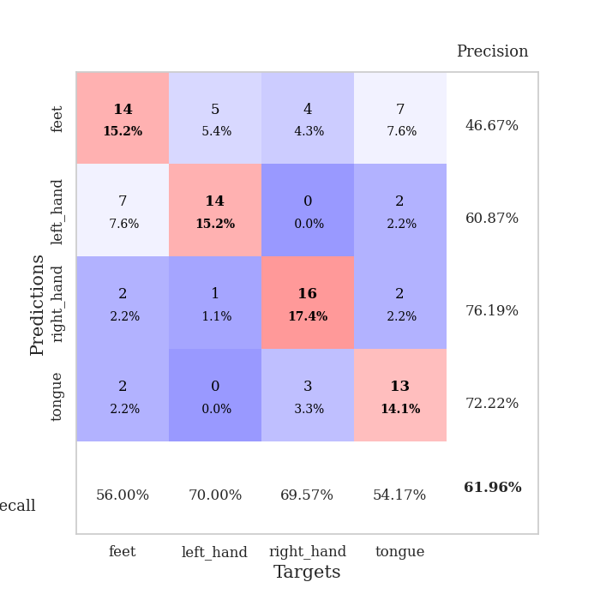
train_loss | valid_loss | train_accuracy | valid_accuracy | dur | train_misclass | valid_misclass
1.5966211246 | 17.031116444 | 0.2527173913 | 0.26086956522 | 1.1530585289 | 25.27173913 | 26.086956522
1.4296464713 | 1.6421810907 | 0.25815217391 | 0.26086956522 | 1.1474614143 | 25.815217391 | 26.086956522
1.3758784066 | 1.4077553697 | 0.34782608696 | 0.26086956522 | 1.1498706341 | 34.782608696 | 26.086956522
1.3551768583 | 1.3031476632 | 0.41032608696 | 0.40217391304 | 1.1509490013 | 41.032608696 | 40.217391304
1.269228163 | 2.0773961026 | 0.26902173913 | 0.21739130435 | 1.1489243507 | 26.902173913 | 21.739130435
1.2846230476 | 1.5344439538 | 0.30163043478 | 0.27173913043 | 1.1505153179 | 30.163043478 | 27.173913043
1.2541535782 | 2.9218402945 | 0.27989130435 | 0.27173913043 | 1.1505906582 | 27.989130435 | 27.173913043
1.0404327382 | 2.1075627182 | 0.39130434783 | 0.29347826087 | 1.1500284672 | 39.130434783 | 29.347826087
1.0074811422 | 2.0803379391 | 0.35597826087 | 0.36956521739 | 1.1513342857 | 35.597826087 | 36.956521739
0.83716119891 | 1.3893176732 | 0.61413043478 | 0.44565217391 | 1.1492679119 | 61.413043478 | 44.565217391
0.81624297085 | 4.1934524826 | 0.3125 | 0.22826086957 | 1.1501619816 | 31.25 | 22.826086957
0.89619415221 | 1.2680555271 | 0.71739130435 | 0.48913043478 | 1.1501715183 | 71.739130435 | 48.913043478
0.71210730465 | 2.6975579987 | 0.44565217391 | 0.38043478261 | 1.1513147354 | 44.565217391 | 38.043478261
0.62124015974 | 3.2364945826 | 0.58152173913 | 0.42391304348 | 1.1501443386 | 58.152173913 | 42.391304348
0.55232752795 | 1.2271865814 | 0.84782608696 | 0.55434782609 | 1.1496300697 | 84.782608696 | 55.434782609
0.4617830178 | 8.5707374656 | 0.33695652174 | 0.21739130435 | 1.1490952969 | 33.695652174 | 21.739130435
0.39537441083 | 3.7225396011 | 0.52173913043 | 0.36956521739 | 1.150144577 | 52.173913043 | 36.956521739
0.38564884565 | 3.1104035792 | 0.48097826087 | 0.30434782609 | 1.1495671272 | 48.097826087 | 30.434782609
0.41183348583 | 2.6851027634 | 0.70380434783 | 0.44565217391 | 1.1494309902 | 70.380434783 | 44.565217391
0.27639075984 | 1.4106787702 | 0.91576086957 | 0.51086956522 | 1.1497271061 | 91.576086957 | 51.086956522
0.18367248466 | 1.8376636298 | 0.89130434783 | 0.48913043478 | 1.1494626999 | 89.130434783 | 48.913043478
0.14008041131 | 1.7854284929 | 0.96195652174 | 0.42391304348 | 1.1505143642 | 96.195652174 | 42.391304348
0.14714416781 | 2.1638841836 | 0.98641304348 | 0.53260869565 | 1.1509106159 | 98.641304348 | 53.260869565
0.10611744662 | 2.6365031159 | 0.90217391304 | 0.44565217391 | 1.1505069733 | 90.217391304 | 44.565217391
0.10235278082 | 8.0578456962 | 0.39945652174 | 0.23913043478 | 1.1504971981 | 39.945652174 | 23.913043478
0.12399112042 | 1.6938482938 | 0.99456521739 | 0.52173913043 | 1.1504452229 | 99.456521739 | 52.173913043
0.037486589372 | 2.3360596532 | 0.99456521739 | 0.5652173913 | 1.1509592533 | 99.456521739 | 56.52173913
0.094987051865 | 8.433863785 | 0.51358695652 | 0.41304347826 | 1.151129961 | 51.358695652 | 41.304347826
0.057325787113 | 3.2073776929 | 0.6847826087 | 0.40217391304 | 1.1506154537 | 68.47826087 | 40.217391304
0.028750720495 | 1.9599825247 | 1 | 0.57608695652 | 1.1517455578 | 100 | 57.608695652
0.027927204754 | 1.7553784484 | 1 | 0.58695652174 | 1.1500246525 | 100 | 58.695652174
0.008739907907 | 1.8189654609 | 1 | 0.57608695652 | 1.1500656605 | 100 | 57.608695652
0.01391173105 | 1.9590349768 | 1 | 0.52173913043 | 1.1504330635 | 100 | 52.173913043
0.0064008208953 | 1.9999812556 | 1 | 0.5652173913 | 1.1502263546 | 100 | 56.52173913
0.014718915743 | 1.8145849782 | 1 | 0.57608695652 | 1.1501870155 | 100 | 57.608695652
0.014161779869 | 1.9962360963 | 1 | 0.5652173913 | 1.1502528191 | 100 | 56.52173913
0.0059607571963 | 1.7826905821 | 1 | 0.61956521739 | 1.1502912045 | 100 | 61.956521739
0.011072223783 | 1.89325017 | 1 | 0.5652173913 | 1.1507966518 | 100 | 56.52173913
0.0076224473254 | 1.793678237 | 1 | 0.60869565217 | 1.1508250237 | 100 | 60.869565217
0.0056542094934 | 1.7908380317 | 1 | 0.57608695652 | 1.1508669853 | 100 | 57.608695652
0.013682831709 | 1.9424597543 | 1 | 0.5652173913 | 1.1510756016 | 100 | 56.52173913
0.0057696288796 | 1.8669870522 | 1 | 0.5652173913 | 1.1511580944 | 100 | 56.52173913
0.0059539773438 | 1.8444367492 | 1 | 0.55434782609 | 1.1509227753 | 100 | 55.434782609
0.0056153606679 | 1.8640898 | 1 | 0.5652173913 | 1.1513195038 | 100 | 56.52173913
0.005262825676 | 1.9088428357 | 1 | 0.58695652174 | 1.1507234573 | 100 | 58.695652174
0.0027529972608 | 1.8604411664 | 1 | 0.5652173913 | 1.151607275 | 100 | 56.52173913
0.0050474675182 | 1.8557453181 | 1 | 0.57608695652 | 1.1510386467 | 100 | 57.608695652
0.0040717761225 | 1.8561712322 | 1 | 0.5652173913 | 1.1525201797 | 100 | 56.52173913
0.0022807142383 | 1.8331848176 | 1 | 0.57608695652 | 1.1511964798 | 100 | 57.608695652
0.0064154339109 | 1.8633897823 | 1 | 0.57608695652 | 1.1515629292 | 100 | 57.608695652

Best Val accuracy is 0.6195652173913043 and Best test accuracy is 0.5517241379310345

Sheet5
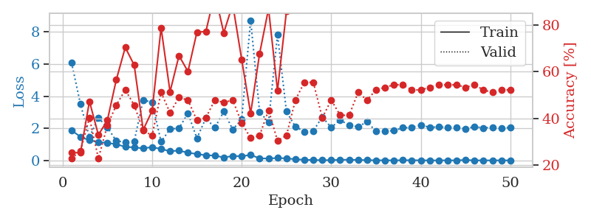
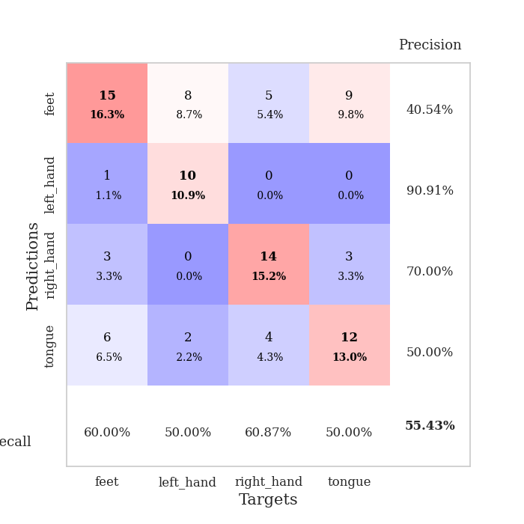
train_loss | valid_loss | train_accuracy | valid_accuracy | dur | train_misclass | valid_misclass
1.8739742248 | 6.0861903274 | 0.2527173913 | 0.22826086957 | 1.1512115002 | 25.27173913 | 22.826086957
1.4703646121 | 3.4991103981 | 0.2527173913 | 0.26086956522 | 1.1474645138 | 25.27173913 | 26.086956522
1.2528953112 | 1.4538779518 | 0.47282608696 | 0.40217391304 | 1.1479065418 | 47.282608696 | 40.217391304
1.1529296455 | 2.6440325198 | 0.32880434783 | 0.22826086957 | 1.1477007866 | 32.880434783 | 22.826086957
1.0865418963 | 2.0610068933 | 0.39130434783 | 0.36956521739 | 1.1463298798 | 39.130434783 | 36.956521739
1.0152817485 | 1.2138806063 | 0.5652173913 | 0.45652173913 | 1.150229454 | 56.52173913 | 45.652173913
0.8441931709 | 1.1303712907 | 0.70380434783 | 0.52173913043 | 1.1488249302 | 70.380434783 | 52.173913043
0.8129734086 | 1.1995011464 | 0.6277173913 | 0.45652173913 | 1.1482572556 | 62.77173913 | 45.652173913
0.75181372917 | 3.7706031903 | 0.35054347826 | 0.34782608696 | 1.1469781399 | 35.054347826 | 34.782608696
0.83294000055 | 3.6082607145 | 0.43206521739 | 0.32608695652 | 1.1510429382 | 43.206521739 | 32.608695652
0.71254223067 | 1.1619523349 | 0.78804347826 | 0.51086956522 | 1.151263237 | 78.804347826 | 51.086956522
0.57881614048 | 1.9565831475 | 0.51358695652 | 0.42391304348 | 1.1502447128 | 51.358695652 | 42.391304348
0.61187461666 | 2.0037221442 | 0.66847826087 | 0.48913043478 | 1.1504244804 | 66.847826087 | 48.913043478
0.48573796775 | 2.9350650932 | 0.60054347826 | 0.47826086957 | 1.15081954 | 60.054347826 | 47.826086957
0.39979821962 | 1.3829172798 | 0.76902173913 | 0.39130434783 | 1.1499524117 | 76.902173913 | 39.130434783
0.32098447953 | 2.6291232938 | 0.77173913043 | 0.40217391304 | 1.1509664059 | 77.173913043 | 40.217391304
0.30797678491 | 2.0331663774 | 0.9347826087 | 0.47826086957 | 1.1511070728 | 93.47826087 | 47.826086957
0.18366956338 | 3.0391535863 | 0.76630434783 | 0.46739130435 | 1.150406599 | 76.630434783 | 46.739130435
0.27973428466 | 1.9295218768 | 0.88858695652 | 0.47826086957 | 1.1504456997 | 88.858695652 | 47.826086957
0.26431367433 | 2.5505516425 | 0.65217391304 | 0.38043478261 | 1.1506152153 | 65.217391304 | 38.043478261
0.34505034999 | 8.7199834119 | 0.42119565217 | 0.3152173913 | 1.1513307095 | 42.119565217 | 31.52173913
0.13196707537 | 3.0341537828 | 0.67663043478 | 0.32608695652 | 1.1515173912 | 67.663043478 | 32.608695652
0.12141128277 | 2.3705619418 | 0.86956521739 | 0.4347826087 | 1.1508669853 | 86.956521739 | 43.47826087
0.15269413505 | 7.8279243552 | 0.51902173913 | 0.30434782609 | 1.151581049 | 51.902173913 | 30.434782609
0.12931334227 | 3.0399543306 | 0.85869565217 | 0.32608695652 | 1.1511049271 | 85.869565217 | 32.608695652
0.074336280155 | 2.0986195336 | 0.9972826087 | 0.47826086957 | 1.1508197784 | 99.72826087 | 47.826086957
0.043954411673 | 1.7941850942 | 0.99456521739 | 0.55434782609 | 1.1512651443 | 99.456521739 | 55.434782609
0.024344358715 | 1.8394578073 | 0.9972826087 | 0.55434782609 | 1.1523427963 | 99.72826087 | 55.434782609
0.021014857157 | 2.7075980228 | 0.99184782609 | 0.40217391304 | 1.150911808 | 99.184782609 | 40.217391304
0.018753225318 | 2.0521141757 | 1 | 0.47826086957 | 1.1517310143 | 100 | 47.826086957
0.0417662097 | 2.5261053417 | 0.9972826087 | 0.41304347826 | 1.1517548561 | 99.72826087 | 41.304347826
0.047309380632 | 2.1758749796 | 1 | 0.41304347826 | 1.1524705887 | 100 | 41.304347826
0.034740189774 | 2.1005186516 | 1 | 0.51086956522 | 1.1525244713 | 100 | 51.086956522
0.022302827464 | 2.4036796093 | 1 | 0.47826086957 | 1.1525139809 | 100 | 47.826086957
0.010438418983 | 1.8185169904 | 1 | 0.52173913043 | 1.1516730785 | 100 | 52.173913043
0.011683528995 | 1.8239879194 | 1 | 0.53260869565 | 1.1527256966 | 100 | 53.260869565
0.0055346534152 | 1.8532020631 | 1 | 0.54347826087 | 1.1513345242 | 100 | 54.347826087
0.016212718258 | 2.0311508282 | 1 | 0.54347826087 | 1.1520617008 | 100 | 54.347826087
0.013426930874 | 2.0515349844 | 1 | 0.52173913043 | 1.1521141529 | 100 | 52.173913043
0.010706164244 | 2.2088666273 | 1 | 0.52173913043 | 1.151304245 | 100 | 52.173913043
0.0036214152098 | 2.058855347 | 1 | 0.53260869565 | 1.1523861885 | 100 | 53.260869565
0.0056880765934 | 2.0863643522 | 1 | 0.54347826087 | 1.1531853676 | 100 | 54.347826087
0.0081592902349 | 2.0553368537 | 1 | 0.54347826087 | 1.1522886753 | 100 | 54.347826087
0.0048651232045 | 2.0610126723 | 1 | 0.54347826087 | 1.1528801918 | 100 | 54.347826087
0.033768235305 | 1.9806460557 | 1 | 0.53260869565 | 1.1525652409 | 100 | 53.260869565
0.0033694072905 | 2.0975441052 | 1 | 0.54347826087 | 1.1531479359 | 100 | 54.347826087
0.0090871357167 | 2.0293820941 | 1 | 0.52173913043 | 1.1527528763 | 100 | 52.173913043
0.0044772027012 | 2.0579961642 | 1 | 0.51086956522 | 1.1529588699 | 100 | 51.086956522
0.0088824991823 | 1.9986368107 | 1 | 0.52173913043 | 1.153055191 | 100 | 52.173913043
0.0033940158932 | 2.0592406418 | 1 | 0.52173913043 | 1.1522333622 | 100 | 52.173913043

Best Val accuracy is 0.5543478260869565 and Best test accuracy is 0.5517241379310345

Sheet6
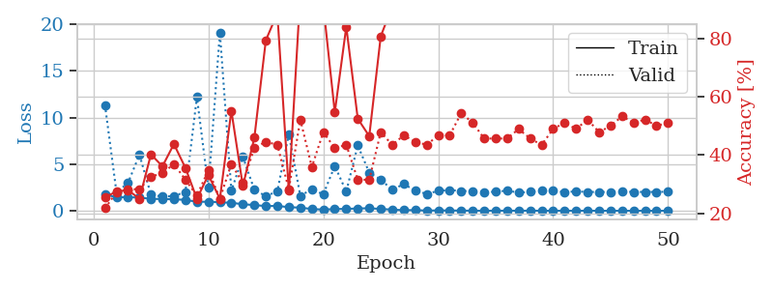
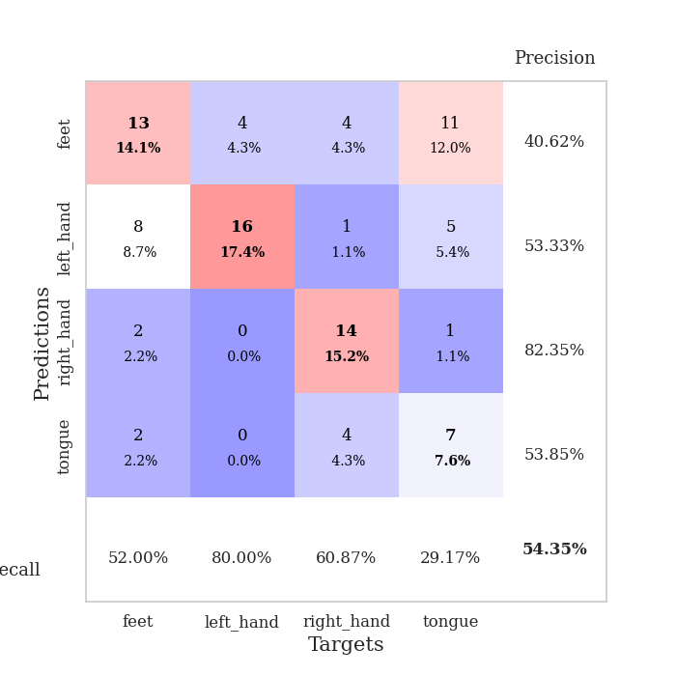
train_loss | valid_loss | train_accuracy | valid_accuracy | dur | train_misclass | valid_misclass
1.7711618309 | 11.346023186 | 0.25543478261 | 0.21739130435 | 1.1523835659 | 25.543478261 | 21.739130435
1.4427839362 | 1.9945703641 | 0.27445652174 | 0.27173913043 | 1.1489918232 | 27.445652174 | 27.173913043
1.4649665874 | 2.9750668588 | 0.27989130435 | 0.28260869565 | 1.1491317749 | 27.989130435 | 28.260869565
1.4138760204 | 6.0094767653 | 0.25 | 0.28260869565 | 1.1501927376 | 25 | 28.260869565
1.2903289847 | 1.7443603225 | 0.40217391304 | 0.32608695652 | 1.1510183811 | 40.217391304 | 32.608695652
1.2578985536 | 1.5165188157 | 0.36141304348 | 0.33695652174 | 1.1491458416 | 36.141304348 | 33.695652174
1.2392453266 | 1.5863640879 | 0.4375 | 0.36956521739 | 1.1490514278 | 43.75 | 36.956521739
1.1728155146 | 2.0207103491 | 0.35597826087 | 0.3152173913 | 1.1494309902 | 35.597826087 | 31.52173913
0.9681204065 | 12.189778079 | 0.25 | 0.26086956522 | 1.1505594254 | 25 | 26.086956522
0.97472066983 | 2.4602011339 | 0.33152173913 | 0.34782608696 | 1.1510443687 | 33.152173913 | 34.782608696
0.90962110654 | 19.082569703 | 0.25 | 0.25 | 1.1507344246 | 25 | 25
0.8653433284 | 2.1505364542 | 0.55163043478 | 0.36956521739 | 1.1515002251 | 55.163043478 | 36.956521739
0.70246458313 | 5.7890748563 | 0.29347826087 | 0.30434782609 | 1.1511869431 | 29.347826087 | 30.434782609
0.62032076198 | 2.2487743626 | 0.45923913043 | 0.42391304348 | 1.1505544186 | 45.923913043 | 42.391304348
0.50592007326 | 1.5764880129 | 0.79347826087 | 0.44565217391 | 1.1509521008 | 79.347826087 | 44.565217391
0.52816553997 | 2.0819794354 | 0.88586956522 | 0.4347826087 | 1.1501648426 | 88.586956522 | 43.47826087
0.38994264473 | 8.2135839255 | 0.27717391304 | 0.28260869565 | 1.1501784325 | 27.717391304 | 28.260869565
0.34052513864 | 1.6130514456 | 0.95380434783 | 0.52173913043 | 1.1507365704 | 95.380434783 | 52.173913043
0.19275479861 | 2.3089675281 | 0.92119565217 | 0.35869565217 | 1.1501524448 | 92.119565217 | 35.869565217
0.13457239427 | 1.763378304 | 0.91304347826 | 0.47826086957 | 1.150608778 | 91.304347826 | 47.826086957
0.18521703569 | 4.8046855719 | 0.54619565217 | 0.42391304348 | 1.151227951 | 54.619565217 | 42.391304348
0.21050826444 | 2.0709854209 | 0.83967391304 | 0.4347826087 | 1.150949955 | 83.967391304 | 43.47826087
0.24764813321 | 7.0076944932 | 0.52445652174 | 0.3152173913 | 1.1508617401 | 52.445652174 | 31.52173913
0.27712359458 | 4.0915717042 | 0.46467391304 | 0.3152173913 | 1.1512570381 | 46.467391304 | 31.52173913
0.19849623367 | 3.3462756095 | 0.80706521739 | 0.47826086957 | 1.1507394314 | 80.706521739 | 47.826086957
0.13042973164 | 2.2429504084 | 0.91032608696 | 0.4347826087 | 1.1518232822 | 91.032608696 | 43.47826087
0.06531311438 | 2.8697017172 | 0.90217391304 | 0.46739130435 | 1.1511492729 | 90.217391304 | 46.739130435
0.078592081008 | 2.167613553 | 1 | 0.44565217391 | 1.151515007 | 100 | 44.565217391
0.023154994164 | 1.8081355924 | 1 | 0.4347826087 | 1.1525101662 | 100 | 43.47826087
0.044592407259 | 2.1383339944 | 1 | 0.46739130435 | 1.1512095928 | 100 | 46.739130435
0.032879936711 | 2.2257409925 | 1 | 0.46739130435 | 1.1506974697 | 100 | 46.739130435
0.028572380938 | 2.1292791885 | 1 | 0.54347826087 | 1.1519827843 | 100 | 54.347826087
0.009992429941 | 2.1016761427 | 1 | 0.51086956522 | 1.1513793468 | 100 | 51.086956522
0.012172733297 | 2.0228844259 | 1 | 0.45652173913 | 1.1510546207 | 100 | 45.652173913
0.0093966342392 | 2.0327049597 | 1 | 0.45652173913 | 1.15137887 | 100 | 45.652173913
0.015811340514 | 2.1686071106 | 1 | 0.45652173913 | 1.1514604092 | 100 | 45.652173913
0.010130998352 | 1.9481031843 | 1 | 0.48913043478 | 1.1513283253 | 100 | 48.913043478
0.017523833427 | 2.0337340935 | 1 | 0.45652173913 | 1.1506328583 | 100 | 45.652173913
0.0068810332324 | 2.1944824405 | 1 | 0.4347826087 | 1.1515166759 | 100 | 43.47826087
0.012219038787 | 2.1458479736 | 1 | 0.48913043478 | 1.1520516872 | 100 | 48.913043478
0.0074264451636 | 2.0016458553 | 1 | 0.51086956522 | 1.1512718201 | 100 | 51.086956522
0.0086440906668 | 2.0838013421 | 1 | 0.48913043478 | 1.1515240669 | 100 | 48.913043478
0.0097619801198 | 2.0197543372 | 1 | 0.52173913043 | 1.1525416374 | 100 | 52.173913043
0.0061083881896 | 2.0191606231 | 1 | 0.47826086957 | 1.1518700123 | 100 | 47.826086957
0.0052108206639 | 2.0179052975 | 1 | 0.5 | 1.154004097 | 100 | 50
0.0065475644129 | 2.0738562294 | 1 | 0.53260869565 | 1.1513631344 | 100 | 53.260869565
0.0054369293363 | 2.0179457975 | 1 | 0.51086956522 | 1.1503472328 | 100 | 51.086956522
0.0076886814103 | 2.0248193534 | 1 | 0.52173913043 | 1.1511962414 | 100 | 52.173913043
0.0051872789273 | 2.0223811813 | 1 | 0.5 | 1.1505317688 | 100 | 50
0.0061396974172 | 2.0483804371 | 1 | 0.51086956522 | 1.1509156227 | 100 | 51.086956522

Best Val accuracy is 0.5434782608695652 and Best test accuracy is 0.49137931034482757

Sheet7
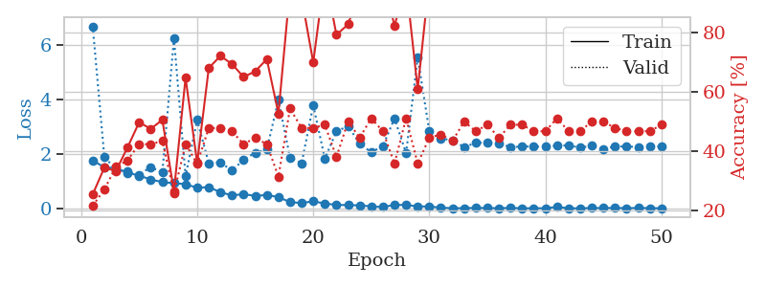
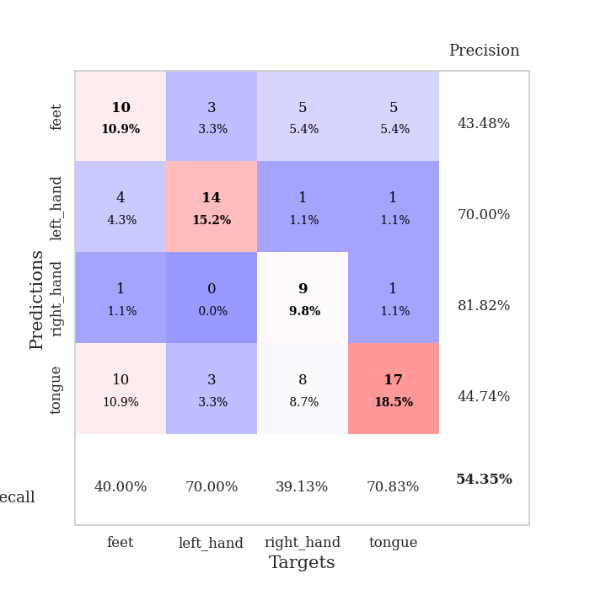
train_loss | valid_loss | train_accuracy | valid_accuracy | dur | train_misclass | valid_misclass
1.7592794429 | 6.6717604762 | 0.25543478261 | 0.21739130435 | 1.1513867378 | 25.543478261 | 21.739130435
1.5047148673 | 1.8962447643 | 0.34510869565 | 0.27173913043 | 1.1486389637 | 34.510869565 | 27.173913043
1.4764777215 | 1.4099881753 | 0.33423913043 | 0.34782608696 | 1.1477403641 | 33.423913043 | 34.782608696
1.3087757593 | 1.3474252535 | 0.41304347826 | 0.36956521739 | 1.1476032734 | 41.304347826 | 36.956521739
1.2023851353 | 1.2318112902 | 0.4972826087 | 0.42391304348 | 1.1481173038 | 49.72826087 | 42.391304348
1.0610934833 | 1.5183934077 | 0.47554347826 | 0.42391304348 | 1.147233963 | 47.554347826 | 42.391304348
0.96187006131 | 1.3093117268 | 0.50543478261 | 0.4347826087 | 1.1494982243 | 50.543478261 | 43.47826087
0.92534214776 | 6.2267731376 | 0.26630434783 | 0.26086956522 | 1.150178194 | 26.630434783 | 26.086956522
0.88804958178 | 1.1887773224 | 0.64673913043 | 0.42391304348 | 1.1501290798 | 64.673913043 | 42.391304348
0.75578125663 | 3.2392789074 | 0.36141304348 | 0.35869565217 | 1.1498193741 | 36.141304348 | 35.869565217
0.78072909816 | 1.65401976 | 0.67934782609 | 0.47826086957 | 1.1488323212 | 67.934782609 | 47.826086957
0.59339244858 | 1.6870001088 | 0.72010869565 | 0.47826086957 | 1.1495718956 | 72.010869565 | 47.826086957
0.47698163727 | 1.386333761 | 0.69293478261 | 0.46739130435 | 1.1498234272 | 69.293478261 | 46.739130435
0.52145786195 | 1.7827738264 | 0.64945652174 | 0.42391304348 | 1.1498138905 | 64.945652174 | 42.391304348
0.4588964439 | 2.0430566694 | 0.66847826087 | 0.44565217391 | 1.1491680145 | 66.847826087 | 44.565217391
0.49146933465 | 2.1503462636 | 0.70923913043 | 0.42391304348 | 1.149613142 | 70.923913043 | 42.391304348
0.4150902684 | 3.987297452 | 0.52717391304 | 0.3152173913 | 1.1501471996 | 52.717391304 | 31.52173913
0.23133166944 | 1.854733265 | 0.94836956522 | 0.54347826087 | 1.1500527859 | 94.836956522 | 54.347826087
0.19751524067 | 1.6562102152 | 0.91576086957 | 0.47826086957 | 1.14985466 | 91.576086957 | 47.826086957
0.25930327307 | 3.7845765093 | 0.69836956522 | 0.47826086957 | 1.1494681835 | 69.836956522 | 47.826086957
0.18002123329 | 1.822337192 | 0.99456521739 | 0.48913043478 | 1.1500797272 | 99.456521739 | 48.913043478
0.12901849858 | 2.8181090873 | 0.79076086957 | 0.38043478261 | 1.1499257088 | 79.076086957 | 38.043478261
0.12075802052 | 3.0165155556 | 0.82608695652 | 0.5 | 1.1505169868 | 82.608695652 | 50
0.11124053423 | 2.3777630329 | 0.9347826087 | 0.44565217391 | 1.1503064632 | 93.47826087 | 44.565217391
0.074286176388 | 2.0575566292 | 0.98913043478 | 0.51086956522 | 1.150001049 | 98.913043478 | 51.086956522
0.050250491836 | 2.2860662678 | 0.99184782609 | 0.46739130435 | 1.150769949 | 99.184782609 | 46.739130435
0.12764040292 | 3.2940676938 | 0.82065217391 | 0.35869565217 | 1.1504588127 | 82.065217391 | 35.869565217
0.12653816048 | 2.0284021004 | 0.96467391304 | 0.51086956522 | 1.1506750584 | 96.467391304 | 51.086956522
0.072404133824 | 5.5342809636 | 0.60869565217 | 0.35869565217 | 1.149512291 | 60.869565217 | 35.869565217
0.069653345748 | 2.8335898752 | 0.97554347826 | 0.44565217391 | 1.1507163048 | 97.554347826 | 44.565217391
0.027721118025 | 2.5591206447 | 1 | 0.45652173913 | 1.1507484913 | 100 | 45.652173913
0.0079037716217 | 2.5005411272 | 1 | 0.4347826087 | 1.1517446041 | 100 | 43.47826087
0.0092196193645 | 2.2449531244 | 1 | 0.5 | 1.1506168842 | 100 | 50
0.021651298397 | 2.4046180663 | 1 | 0.46739130435 | 1.1507873535 | 100 | 46.739130435
0.012356498405 | 2.4098202768 | 1 | 0.48913043478 | 1.1511890888 | 100 | 48.913043478
0.0096065241175 | 2.391615028 | 1 | 0.44565217391 | 1.1517395973 | 100 | 44.565217391
0.020289690122 | 2.2365915361 | 1 | 0.48913043478 | 1.1510844231 | 100 | 48.913043478
0.0046722078772 | 2.2742323979 | 1 | 0.48913043478 | 1.1514947414 | 100 | 48.913043478
0.006600314235 | 2.2566493387 | 1 | 0.46739130435 | 1.150885582 | 100 | 46.739130435
0.0064803668103 | 2.2739187531 | 1 | 0.46739130435 | 1.1518132687 | 100 | 46.739130435
0.053677150904 | 2.2965785524 | 1 | 0.51086956522 | 1.1521239281 | 100 | 51.086956522
0.0057651728668 | 2.3114576754 | 1 | 0.46739130435 | 1.1523385048 | 100 | 46.739130435
0.0037334041883 | 2.2271252819 | 1 | 0.46739130435 | 1.1519892216 | 100 | 46.739130435
0.016272312721 | 2.2935504602 | 1 | 0.5 | 1.1509103775 | 100 | 50
0.012256023801 | 2.1713733984 | 1 | 0.5 | 1.1513521671 | 100 | 50
0.019981213015 | 2.2745393566 | 1 | 0.47826086957 | 1.1516418457 | 100 | 47.826086957
0.008245447934 | 2.2642284476 | 1 | 0.46739130435 | 1.1502959728 | 100 | 46.739130435
0.019320438302 | 2.2517071289 | 1 | 0.46739130435 | 1.1511137486 | 100 | 46.739130435
0.011151835029 | 2.2829730614 | 1 | 0.46739130435 | 1.1511180401 | 100 | 46.739130435
0.0065753970981 | 2.2711078706 | 1 | 0.48913043478 | 1.1517341137 | 100 | 48.913043478

Best Val accuracy is 0.5434782608695652 and Best test accuracy is 0.5431034482758621

Sheet8
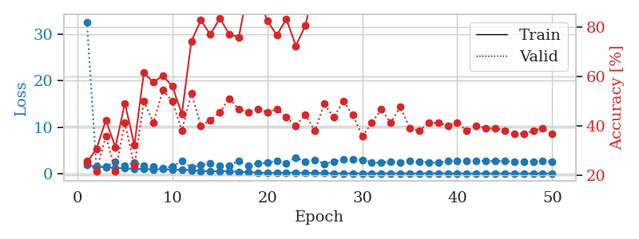
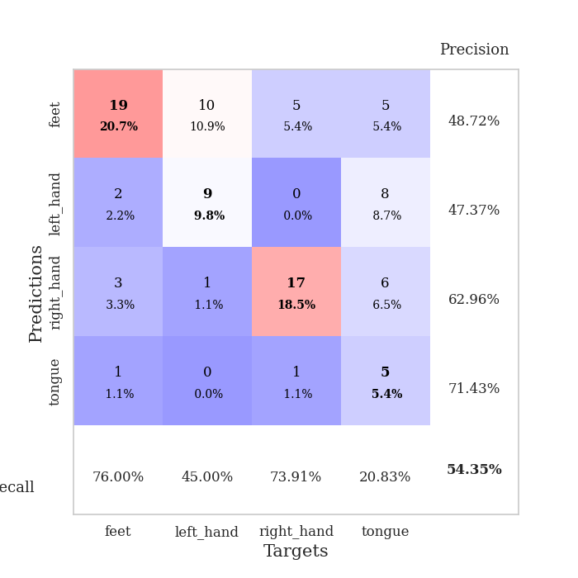
train_loss | valid_loss | train_accuracy | valid_accuracy | dur | train_misclass | valid_misclass
1.8243691662 | 32.66934569 | 0.2527173913 | 0.26086956522 | 1.1524362564 | 25.27173913 | 26.086956522
1.474346363 | 1.4792843435 | 0.30706521739 | 0.21739130435 | 1.1483721733 | 30.706521739 | 21.739130435
1.3019933441 | 1.472440051 | 0.42391304348 | 0.35869565217 | 1.1503093243 | 42.391304348 | 35.869565217
1.2149287955 | 2.4732014511 | 0.3152173913 | 0.21739130435 | 1.1499342918 | 31.52173913 | 21.739130435
1.1183620536 | 1.6371242171 | 0.49184782609 | 0.41304347826 | 1.150342226 | 49.184782609 | 41.304347826
0.97377891385 | 2.3973815026 | 0.32336956522 | 0.23913043478 | 1.1504926682 | 32.336956522 | 23.913043478
0.9555294436 | 1.6097375362 | 0.61413043478 | 0.5 | 1.1487922668 | 61.413043478 | 50
0.88180416304 | 1.423328125 | 0.57608695652 | 0.41304347826 | 1.1487312317 | 57.608695652 | 41.304347826
0.91886103153 | 1.1056330852 | 0.60326086957 | 0.54347826087 | 1.1487700939 | 60.326086957 | 54.347826087
0.81476625671 | 1.5442742809 | 0.5597826087 | 0.5 | 1.1487019062 | 55.97826087 | 50
0.83876506531 | 2.6922556317 | 0.44836956522 | 0.38043478261 | 1.1494078636 | 44.836956522 | 38.043478261
0.72566917927 | 1.3033258397 | 0.74184782609 | 0.53260869565 | 1.1494209766 | 74.184782609 | 53.260869565
0.52947877024 | 1.7945109709 | 0.82608695652 | 0.40217391304 | 1.149200201 | 82.608695652 | 40.217391304
0.45497252436 | 2.1211256255 | 0.76902173913 | 0.42391304348 | 1.1491296291 | 76.902173913 | 42.391304348
0.4743668126 | 1.5971897063 | 0.83423913043 | 0.45652173913 | 1.1499466896 | 83.423913043 | 45.652173913
0.46795780438 | 1.7602159148 | 0.76902173913 | 0.51086956522 | 1.1497342587 | 76.902173913 | 51.086956522
0.31961074633 | 2.7404744729 | 0.75815217391 | 0.46739130435 | 1.1496021748 | 75.815217391 | 46.739130435
0.29552689924 | 1.6382102137 | 0.95923913043 | 0.45652173913 | 1.1499829292 | 95.923913043 | 45.652173913
0.17905747453 | 2.1580091352 | 0.92663043478 | 0.46739130435 | 1.1498656273 | 92.663043478 | 46.739130435
0.10782957401 | 2.2863063709 | 0.82336956522 | 0.45652173913 | 1.1499614716 | 82.336956522 | 45.652173913
0.17391466762 | 2.7861342249 | 0.76630434783 | 0.46739130435 | 1.1502754688 | 76.630434783 | 46.739130435
0.19944398717 | 2.1755806467 | 0.83152173913 | 0.4347826087 | 1.1506774426 | 83.152173913 | 43.47826087
0.18348121303 | 3.4720239121 | 0.72282608696 | 0.40217391304 | 1.1501500607 | 72.282608696 | 40.217391304
0.13334829012 | 2.4516637118 | 0.80434782609 | 0.44565217391 | 1.15097785 | 80.434782609 | 44.565217391
0.086889207525 | 2.943424681 | 0.97010869565 | 0.38043478261 | 1.1515979767 | 97.010869565 | 38.043478261
0.064678176914 | 2.0901067257 | 0.98913043478 | 0.48913043478 | 1.1501610279 | 98.913043478 | 48.913043478
0.041236529618 | 2.5892406443 | 1 | 0.4347826087 | 1.1506011486 | 100 | 43.47826087
0.034337422021 | 3.0354686872 | 0.96739130435 | 0.5 | 1.1506323814 | 96.739130435 | 50
0.022721513655 | 2.9778365467 | 0.98913043478 | 0.44565217391 | 1.1503508091 | 98.913043478 | 44.565217391
0.02877690082 | 2.9298711756 | 1 | 0.35869565217 | 1.1501863003 | 100 | 35.869565217
0.010376424336 | 2.389042025 | 1 | 0.41304347826 | 1.1506400108 | 100 | 41.304347826
0.020154375897 | 2.3142097411 | 0.9972826087 | 0.46739130435 | 1.1544449329 | 99.72826087 | 46.739130435
0.016604451959 | 2.5268360117 | 1 | 0.41304347826 | 1.1515264511 | 100 | 41.304347826
0.011923665206 | 2.4365476111 | 1 | 0.47826086957 | 1.1512973309 | 100 | 47.826086957
0.007670926368 | 2.738642734 | 1 | 0.39130434783 | 1.1515004635 | 100 | 39.130434783
0.0088679520844 | 2.4849920998 | 1 | 0.38043478261 | 1.1516981125 | 100 | 38.043478261
0.028213863674 | 2.4208150636 | 1 | 0.41304347826 | 1.1519856453 | 100 | 41.304347826
0.018034533086 | 2.344588684 | 1 | 0.41304347826 | 1.1519052982 | 100 | 41.304347826
0.018099344385 | 2.674621779 | 1 | 0.40217391304 | 1.1518721581 | 100 | 40.217391304
0.017494430064 | 2.7090163957 | 1 | 0.41304347826 | 1.1515645981 | 100 | 41.304347826
0.0081410226697 | 2.7249359981 | 1 | 0.38043478261 | 1.1527638435 | 100 | 38.043478261
0.0035641401273 | 2.7760585806 | 1 | 0.40217391304 | 1.1518316269 | 100 | 40.217391304
0.0027612396231 | 2.6676474654 | 1 | 0.39130434783 | 1.1530601978 | 100 | 39.130434783
0.0081174262159 | 2.7122710373 | 1 | 0.39130434783 | 1.1517043114 | 100 | 39.130434783
0.0048352029711 | 2.6274852131 | 1 | 0.38043478261 | 1.1527371407 | 100 | 38.043478261
0.0057409458741 | 2.6184876587 | 1 | 0.36956521739 | 1.152392149 | 100 | 36.956521739
0.010076166493 | 2.6003306119 | 1 | 0.36956521739 | 1.1519536972 | 100 | 36.956521739
0.0090608802351 | 2.5963865674 | 1 | 0.38043478261 | 1.1521077156 | 100 | 38.043478261
0.019235571453 | 2.6367716893 | 1 | 0.39130434783 | 1.1521265507 | 100 | 39.130434783
0.0052546586325 | 2.5756882377 | 1 | 0.36956521739 | 1.1517653465 | 100 | 36.956521739

Best Val accuracy is 0.5434782608695652 and Best test accuracy is 0.41379310344827586

Sheet9
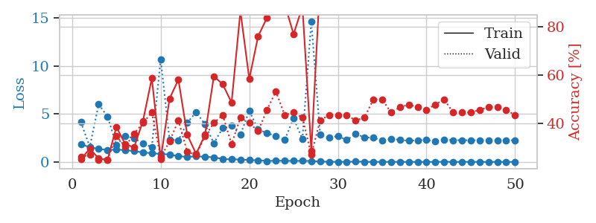
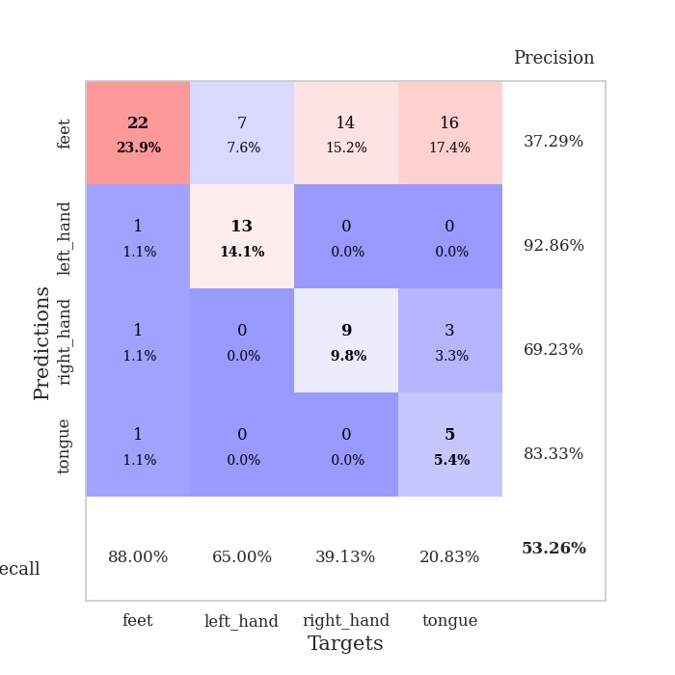
train_loss | valid_loss | train_accuracy | valid_accuracy | dur | train_misclass | valid_misclass
1.8720899302 | 4.1458938225 | 0.2527173913 | 0.26086956522 | 1.1526100636 | 25.27173913 | 26.086956522
1.5223040425 | 1.5724286204 | 0.29619565217 | 0.27173913043 | 1.1498491764 | 29.619565217 | 27.173913043
1.3622258953 | 6.0107914676 | 0.25543478261 | 0.25 | 1.1497647762 | 25.543478261 | 25
1.2514867757 | 4.7411130615 | 0.25 | 0.25 | 1.1504895687 | 25 | 25
1.2728073804 | 1.7717548194 | 0.38586956522 | 0.34782608696 | 1.1499977112 | 38.586956522 | 34.782608696
1.2529590622 | 2.6832697599 | 0.3152173913 | 0.30434782609 | 1.1508347988 | 31.52173913 | 30.434782609
1.1175881987 | 2.4791712968 | 0.30163043478 | 0.35869565217 | 1.1498770714 | 30.163043478 | 35.869565217
1.0013073009 | 1.8965815669 | 0.41032608696 | 0.40217391304 | 1.1514177322 | 41.032608696 | 40.217391304
0.90393477678 | 1.5625869761 | 0.58695652174 | 0.44565217391 | 1.150711298 | 58.695652174 | 44.565217391
0.83459342044 | 10.711409486 | 0.2527173913 | 0.26086956522 | 1.1498644352 | 25.27173913 | 26.086956522
0.78067059621 | 2.3231038736 | 0.5027173913 | 0.32608695652 | 1.1505975723 | 50.27173913 | 32.608695652
0.59887438883 | 2.2720758293 | 0.58152173913 | 0.41304347826 | 1.1502034664 | 58.152173913 | 41.304347826
0.52363838838 | 4.090610981 | 0.35326086957 | 0.28260869565 | 1.1506211758 | 35.326086957 | 28.260869565
0.59237293316 | 5.1915314923 | 0.27445652174 | 0.27173913043 | 1.1500649452 | 27.445652174 | 27.173913043
0.53169975138 | 3.9415011613 | 0.35326086957 | 0.34782608696 | 1.1511337757 | 35.326086957 | 34.782608696
0.48709876447 | 1.9615526303 | 0.59510869565 | 0.40217391304 | 1.1506021023 | 59.510869565 | 40.217391304
0.30919461244 | 3.5185351994 | 0.5625 | 0.4347826087 | 1.1503055096 | 56.25 | 43.47826087
0.26519237637 | 3.7519477036 | 0.48641304348 | 0.3152173913 | 1.1508564949 | 48.641304348 | 31.52173913
0.25480543336 | 2.8337832223 | 0.86413043478 | 0.42391304348 | 1.1510674953 | 86.413043478 | 42.391304348
0.19543133385 | 5.3350498987 | 0.58423913043 | 0.40217391304 | 1.1507709026 | 58.423913043 | 40.217391304
0.1664442761 | 3.3992510879 | 0.76086956522 | 0.36956521739 | 1.1508533955 | 76.086956522 | 36.956521739
0.10109031824 | 3.0040152902 | 0.83695652174 | 0.45652173913 | 1.1512598991 | 83.695652174 | 45.652173913
0.12589479805 | 2.7222705198 | 0.93206521739 | 0.53260869565 | 1.1516194344 | 93.206521739 | 53.260869565
0.11506305477 | 2.2991229866 | 0.89402173913 | 0.4347826087 | 1.1505515575 | 89.402173913 | 43.47826087
0.10878781389 | 4.5586006952 | 0.76902173913 | 0.44565217391 | 1.1510579586 | 76.902173913 | 44.565217391
0.11026688066 | 2.3762702424 | 0.88315217391 | 0.42391304348 | 1.1509225368 | 88.315217391 | 42.391304348
0.10391278921 | 14.641060829 | 0.28804347826 | 0.27173913043 | 1.1507813931 | 28.804347826 | 27.173913043
0.046021397003 | 2.8608886263 | 0.99184782609 | 0.41304347826 | 1.1508955956 | 99.184782609 | 41.304347826
0.023407347652 | 2.5238886864 | 1 | 0.4347826087 | 1.1506216526 | 100 | 43.47826087
0.014199167733 | 2.7143965078 | 1 | 0.4347826087 | 1.1507484913 | 100 | 43.47826087
0.010183696225 | 2.2844987382 | 1 | 0.4347826087 | 1.1510381699 | 100 | 43.47826087
0.047341976669 | 2.9172892985 | 0.90760869565 | 0.41304347826 | 1.1510384083 | 90.760869565 | 41.304347826
0.018732467251 | 2.5752162311 | 1 | 0.42391304348 | 1.1516685486 | 100 | 42.391304348
0.012802159166 | 2.5217701456 | 1 | 0.5 | 1.1511247158 | 100 | 50
0.010010235424 | 2.2345377881 | 1 | 0.5 | 1.1517198086 | 100 | 50
0.012349785245 | 2.398177375 | 1 | 0.44565217391 | 1.152535677 | 100 | 44.565217391
0.011003915967 | 2.3102141826 | 1 | 0.46739130435 | 1.1507539749 | 100 | 46.739130435
0.0061321528742 | 2.2085674379 | 1 | 0.47826086957 | 1.1517760754 | 100 | 47.826086957
0.0048261958569 | 2.2527536102 | 1 | 0.46739130435 | 1.1522431374 | 100 | 46.739130435
0.0036174523626 | 2.286470916 | 1 | 0.45652173913 | 1.1523883343 | 100 | 45.652173913
0.0094814113539 | 2.1835474087 | 1 | 0.47826086957 | 1.1518957615 | 100 | 47.826086957
0.01668209741 | 2.3368466471 | 1 | 0.5 | 1.1518979073 | 100 | 50
0.0049875133985 | 2.2617456447 | 1 | 0.44565217391 | 1.1520550251 | 100 | 44.565217391
0.002203025473 | 2.2713832389 | 1 | 0.44565217391 | 1.1539144516 | 100 | 44.565217391
0.013931987369 | 2.2536578334 | 1 | 0.44565217391 | 1.1535599232 | 100 | 44.565217391
0.0020548622314 | 2.2744203391 | 1 | 0.45652173913 | 1.1534209251 | 100 | 45.652173913
0.0030699574272 | 2.2387095897 | 1 | 0.46739130435 | 1.1526732445 | 100 | 46.739130435
0.0028935218579 | 2.2631040708 | 1 | 0.46739130435 | 1.1521008015 | 100 | 46.739130435
0.0022094833649 | 2.2590115122 | 1 | 0.45652173913 | 1.1526167393 | 100 | 45.652173913
0.005812184274 | 2.2664671722 | 1 | 0.4347826087 | 1.1526656151 | 100 | 43.47826087

Best Val accuracy is 0.532608695652174 and Best test accuracy is 0.4827586206896552

Sheet10
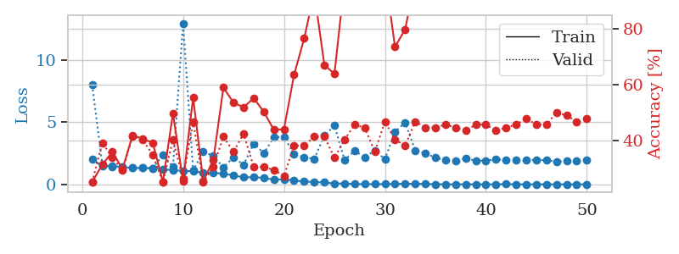
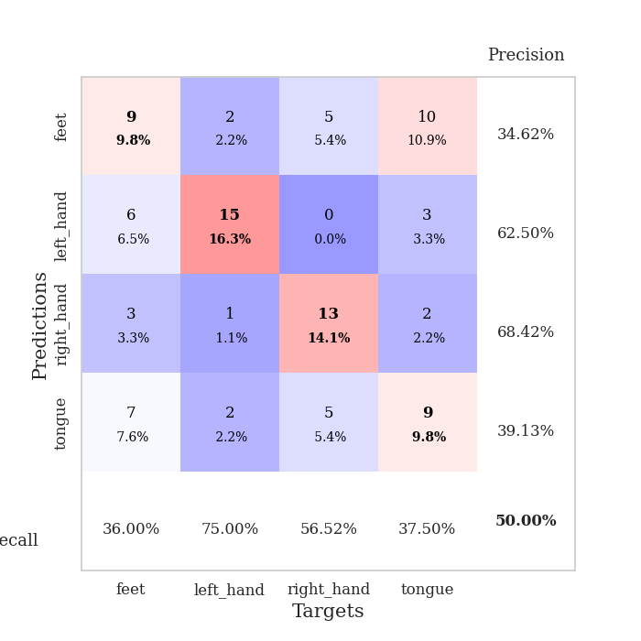
train_loss | valid_loss | train_accuracy | valid_accuracy | dur | train_misclass | valid_misclass
1.9990253811 | 7.9953630696 | 0.25 | 0.25 | 1.1536283493 | 25 | 25
1.4735468419 | 1.5828648391 | 0.3125 | 0.39130434783 | 1.1482322216 | 31.25 | 39.130434783
1.4699001831 | 1.4193816859 | 0.35869565217 | 0.33695652174 | 1.1493575573 | 35.869565217 | 33.695652174
1.4041775931 | 1.3733758875 | 0.29619565217 | 0.29347826087 | 1.1503527164 | 29.619565217 | 29.347826087
1.3172661844 | 1.3699780547 | 0.41847826087 | 0.41304347826 | 1.1500794888 | 41.847826087 | 41.304347826
1.3160893658 | 1.3465479405 | 0.40489130435 | 0.40217391304 | 1.1491305828 | 40.489130435 | 40.217391304
1.2974118098 | 1.2978128609 | 0.39130434783 | 0.34782608696 | 1.1505932808 | 39.130434783 | 34.782608696
1.1930165343 | 2.3641759727 | 0.25 | 0.25 | 1.1501469612 | 25 | 25
1.1577877869 | 1.4287905227 | 0.4972826087 | 0.40217391304 | 1.1504764557 | 49.72826087 | 40.217391304
1.0742306606 | 12.950253279 | 0.2527173913 | 0.26086956522 | 1.1512904167 | 25.27173913 | 26.086956522
1.0675497807 | 1.1217661785 | 0.55434782609 | 0.46739130435 | 1.150708437 | 55.434782609 | 46.739130435
0.91957720725 | 2.6563187267 | 0.2527173913 | 0.25 | 1.1513843536 | 25.27173913 | 25
0.92367268645 | 2.2691810753 | 0.32880434783 | 0.30434782609 | 1.1507744789 | 32.880434783 | 30.434782609
0.86115584944 | 1.3721662397 | 0.58967391304 | 0.41304347826 | 1.1508176327 | 58.967391304 | 41.304347826
0.72050194248 | 2.193563254 | 0.53532608696 | 0.35869565217 | 1.150554657 | 53.532608696 | 35.869565217
0.56703303366 | 1.5697786393 | 0.51902173913 | 0.42391304348 | 1.1507809162 | 51.902173913 | 42.391304348
0.5773963371 | 3.2850217819 | 0.55163043478 | 0.30434782609 | 1.1508162022 | 55.163043478 | 30.434782609
0.52779831381 | 2.5093178542 | 0.5027173913 | 0.30434782609 | 1.1510517597 | 50.27173913 | 30.434782609
0.37303049117 | 3.7791795938 | 0.4375 | 0.29347826087 | 1.1506500244 | 43.75 | 29.347826087
0.42293514732 | 3.8157807951 | 0.4402173913 | 0.27173913043 | 1.1518695354 | 44.02173913 | 27.173913043
0.30060743281 | 2.4348734151 | 0.63586956522 | 0.38043478261 | 1.1508069038 | 63.586956522 | 38.043478261
0.23511452325 | 2.1809855026 | 0.76630434783 | 0.38043478261 | 1.150496006 | 76.630434783 | 38.043478261
0.1849045172 | 2.0599959622 | 0.93206521739 | 0.41304347826 | 1.1511769295 | 93.206521739 | 41.304347826
0.15851855181 | 3.9181591324 | 0.67119565217 | 0.41304347826 | 1.1514782906 | 67.119565217 | 41.304347826
0.077192003312 | 4.7315479776 | 0.63858695652 | 0.33695652174 | 1.1511559486 | 63.858695652 | 33.695652174
0.065407898115 | 1.9705641011 | 0.97282608696 | 0.40217391304 | 1.1515882015 | 97.282608696 | 40.217391304
0.033942187529 | 2.7062547622 | 0.96739130435 | 0.45652173913 | 1.1514558792 | 96.739130435 | 45.652173913
0.021355612872 | 2.1712776682 | 1 | 0.44565217391 | 1.151211977 | 100 | 44.565217391
0.020686928082 | 2.7272653994 | 0.9972826087 | 0.35869565217 | 1.1519536972 | 99.72826087 | 35.869565217
0.02673924358 | 2.0270459496 | 1 | 0.46739130435 | 1.1534566879 | 100 | 46.739130435
0.040275805964 | 4.236199182 | 0.73641304348 | 0.40217391304 | 1.1542208195 | 73.641304348 | 40.217391304
0.054368183705 | 4.9649711899 | 0.79891304348 | 0.38043478261 | 1.1527209282 | 79.891304348 | 38.043478261
0.043891822049 | 2.7322715987 | 0.97554347826 | 0.46739130435 | 1.152528286 | 97.554347826 | 46.739130435
0.039877048319 | 2.5231929136 | 0.96467391304 | 0.44565217391 | 1.1525144577 | 96.467391304 | 44.565217391
0.016614292019 | 2.1340165657 | 1 | 0.44565217391 | 1.1515853405 | 100 | 44.565217391
0.0083907776634 | 1.9609269215 | 1 | 0.45652173913 | 1.1529479027 | 100 | 45.652173913
0.0059475095224 | 1.9235625889 | 1 | 0.44565217391 | 1.1519501209 | 100 | 44.565217391
0.011296394413 | 2.0932506893 | 1 | 0.4347826087 | 1.1530275345 | 100 | 43.47826087
0.011724915416 | 1.9013238731 | 1 | 0.45652173913 | 1.1521220207 | 100 | 45.652173913
0.0042983436724 | 1.9087983163 | 1 | 0.45652173913 | 1.1521530151 | 100 | 45.652173913
0.0074015906455 | 2.0086581448 | 1 | 0.4347826087 | 1.1520829201 | 100 | 43.47826087
0.025416071248 | 1.9644710136 | 1 | 0.44565217391 | 1.1526169777 | 100 | 44.565217391
0.0035865136837 | 1.9369480454 | 1 | 0.45652173913 | 1.1516754627 | 100 | 45.652173913
0.0076576221542 | 1.9361707179 | 1 | 0.47826086957 | 1.1528515816 | 100 | 47.826086957
0.006791914221 | 1.972839936 | 1 | 0.45652173913 | 1.1508586407 | 100 | 45.652173913
0.0078969255581 | 1.9450402726 | 1 | 0.45652173913 | 1.1508393288 | 100 | 45.652173913
0.0031685464302 | 1.8334939739 | 1 | 0.5 | 1.1507618427 | 100 | 50
0.004533763408 | 1.8677127517 | 1 | 0.48913043478 | 1.1501758099 | 100 | 48.913043478
0.0080023788336 | 1.90556337 | 1 | 0.46739130435 | 1.1505746841 | 100 | 46.739130435
0.00535583838 | 1.9321596363 | 1 | 0.47826086957 | 1.1510596275 | 100 | 47.826086957

Best Val accuracy is 0.5 and Best test accuracy is 0.45689655172413796

