Sheet
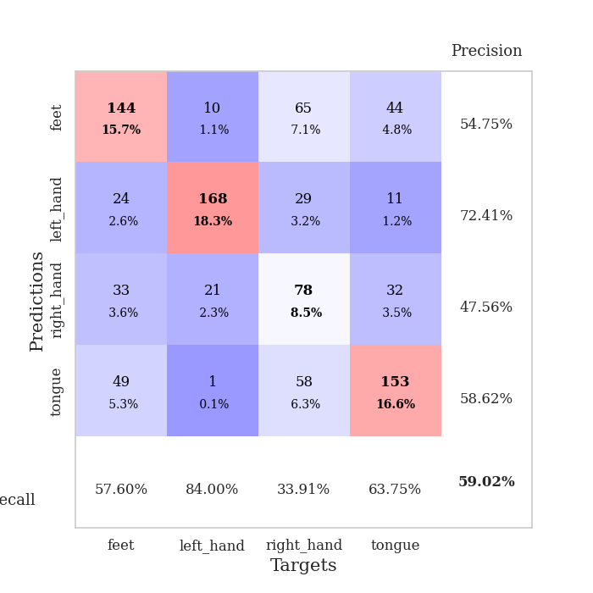

best_val_acc | best_val_los | best_test_acc
0.58695652174 | 1.449823053 | 0.56034482759
0.58695652174 | 1.4327264661 | 0.58620689655
0.66304347826 | 0.90629611585 | 0.56034482759
0.59782608696 | 1.2873759166 | 0.52586206897
0.57608695652 | 1.2847597806 | 0.52586206897
0.58695652174 | 1.5089401991 | 0.52586206897
0.61956521739 | 1.0700783574 | 0.5
0.55434782609 | 1.2080267564 | 0.49137931034
0.55434782609 | 1.2700528217 | 0.43103448276
0.57608695652 | 1.2423688951 | 0.55172413793

Mean,std Val accuracy is 0.5902173913043479 , 0.03201963926852998 and mean, std test accuracy is 0.5258620689655173 , 0.044144515792348314

Sheet1
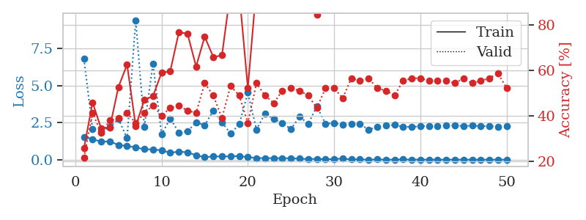
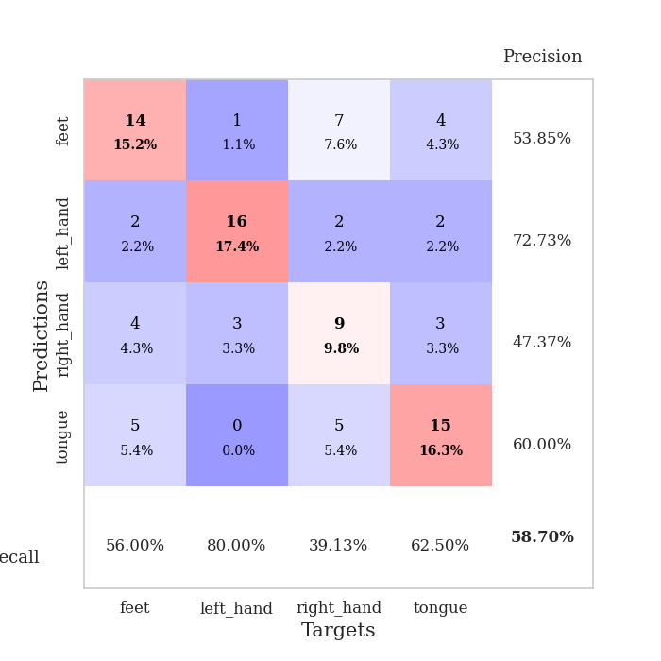
train_loss | valid_loss | train_accuracy | valid_accuracy | dur | train_misclass | valid_misclass
1.5284453008 | 6.8087410719 | 0.25815217391 | 0.21739130435 | 1.1494264603 | 25.815217391 | 21.739130435
1.3929748069 | 2.0573048592 | 0.45923913043 | 0.41304347826 | 1.1462225914 | 45.923913043 | 41.304347826
1.2088132527 | 1.9042608738 | 0.34510869565 | 0.32608695652 | 1.1492369175 | 34.510869565 | 32.608695652
1.2442678135 | 2.1947150541 | 0.35054347826 | 0.38043478261 | 1.1488032341 | 35.054347826 | 38.043478261
0.98375375375 | 2.7533118725 | 0.52717391304 | 0.39130434783 | 1.1487579346 | 52.717391304 | 39.130434783
0.93272228863 | 1.449823053 | 0.625 | 0.41304347826 | 1.1492550373 | 62.5 | 41.304347826
0.82489868869 | 9.4137436825 | 0.35597826087 | 0.36956521739 | 1.1489658356 | 35.597826087 | 36.956521739
0.71034170104 | 2.2178229145 | 0.47010869565 | 0.41304347826 | 1.1495728493 | 47.010869565 | 41.304347826
0.6867311856 | 6.4727070435 | 0.48641304348 | 0.44565217391 | 1.149667263 | 48.641304348 | 44.565217391
0.63858953248 | 1.7117447283 | 0.58967391304 | 0.40217391304 | 1.1513648033 | 58.967391304 | 40.217391304
0.46259298467 | 2.7776875703 | 0.59510869565 | 0.4347826087 | 1.1494143009 | 59.510869565 | 43.47826087
0.54936443723 | 1.8436941582 | 0.76630434783 | 0.44565217391 | 1.1504285336 | 76.630434783 | 44.565217391
0.49681758492 | 1.9124997336 | 0.76086956522 | 0.42391304348 | 1.149512291 | 76.086956522 | 42.391304348
0.30154821179 | 2.5242846997 | 0.61684782609 | 0.41304347826 | 1.1501905918 | 61.684782609 | 41.304347826
0.16694616583 | 2.3282731409 | 0.7472826087 | 0.54347826087 | 1.1498820782 | 74.72826087 | 54.347826087
0.21888985282 | 3.3065452576 | 0.65760869565 | 0.48913043478 | 1.1509628296 | 65.760869565 | 48.913043478
0.22077308603 | 2.5292508809 | 0.66576086957 | 0.39130434783 | 1.1493148804 | 66.576086957 | 39.130434783
0.22379697912 | 1.7536300576 | 0.94836956522 | 0.53260869565 | 1.1509742737 | 94.836956522 | 53.260869565
0.24863536753 | 2.3892736953 | 0.9402173913 | 0.48913043478 | 1.1496834755 | 94.02173913 | 48.913043478
0.16770407987 | 4.5212670409 | 0.52173913043 | 0.36956521739 | 1.1502709389 | 52.173913043 | 36.956521739
0.11117725617 | 2.0288995142 | 0.96739130435 | 0.54347826087 | 1.149949789 | 96.739130435 | 54.347826087
0.10651948315 | 3.123346308 | 0.97826086957 | 0.48913043478 | 1.1512920856 | 97.826086957 | 48.913043478
0.10341024289 | 2.7449492683 | 0.88586956522 | 0.45652173913 | 1.1505789757 | 88.586956522 | 45.652173913
0.097954535189 | 2.4790454429 | 0.94565217391 | 0.51086956522 | 1.1506533623 | 94.565217391 | 51.086956522
0.098245542345 | 2.0672875798 | 0.97282608696 | 0.52173913043 | 1.1512317657 | 97.282608696 | 52.173913043
0.064934680866 | 2.9040142039 | 0.90489130435 | 0.51086956522 | 1.1505246162 | 90.489130435 | 51.086956522
0.048035210641 | 2.4221015909 | 1 | 0.48913043478 | 1.1514406204 | 100 | 48.913043478
0.058643871048 | 3.5920572177 | 0.84239130435 | 0.4347826087 | 1.1504535675 | 84.239130435 | 43.47826087
0.025303773218 | 2.4321456266 | 0.99184782609 | 0.52173913043 | 1.1511390209 | 99.184782609 | 52.173913043
0.055482172412 | 2.4703784922 | 0.9972826087 | 0.52173913043 | 1.1510848999 | 99.72826087 | 52.173913043
0.07192885328 | 2.3537752628 | 1 | 0.47826086957 | 1.1511716843 | 100 | 47.826086957
0.024485338302 | 2.3954784041 | 1 | 0.5652173913 | 1.1511268616 | 100 | 56.52173913
0.02159958245 | 2.405563821 | 1 | 0.55434782609 | 1.149995327 | 100 | 55.434782609
0.008537599908 | 2.0303494516 | 1 | 0.5652173913 | 1.1492602825 | 100 | 56.52173913
0.018043912426 | 2.2129292695 | 1 | 0.52173913043 | 1.1516416073 | 100 | 52.173913043
0.0062962815231 | 2.2966383644 | 1 | 0.51086956522 | 1.1503157616 | 100 | 51.086956522
0.0081150970984 | 2.3413985398 | 1 | 0.48913043478 | 1.1507544518 | 100 | 48.913043478
0.01893701489 | 2.2186425976 | 1 | 0.55434782609 | 1.1498270035 | 100 | 55.434782609
0.0087367278908 | 2.2206077161 | 1 | 0.5652173913 | 1.1507842541 | 100 | 56.52173913
0.0094943954824 | 2.2553589448 | 1 | 0.5652173913 | 1.150046587 | 100 | 56.52173913
0.0046376897169 | 2.2729597921 | 1 | 0.55434782609 | 1.1528451443 | 100 | 55.434782609
0.0055534699628 | 2.2718655026 | 1 | 0.55434782609 | 1.1501431465 | 100 | 55.434782609
0.0041703340349 | 2.2911810875 | 1 | 0.55434782609 | 1.1513879299 | 100 | 55.434782609
0.0081478766439 | 2.315375214 | 1 | 0.54347826087 | 1.1511301994 | 100 | 54.347826087
0.0033678098331 | 2.2725592696 | 1 | 0.5652173913 | 1.1514518261 | 100 | 56.52173913
0.0068078895072 | 2.2923538167 | 1 | 0.54347826087 | 1.1511521339 | 100 | 54.347826087
0.0042392455292 | 2.2771251513 | 1 | 0.55434782609 | 1.1521916389 | 100 | 55.434782609
0.0093618541192 | 2.2647818897 | 1 | 0.5652173913 | 1.151645422 | 100 | 56.52173913
0.0017562393003 | 2.2218717907 | 1 | 0.58695652174 | 1.1534993649 | 100 | 58.695652174
0.0072413268841 | 2.2577794531 | 1 | 0.52173913043 | 1.1508581638 | 100 | 52.173913043

Best Val accuracy is 0.5869565217391305 and Best test accuracy is 0.5603448275862069

Sheet2
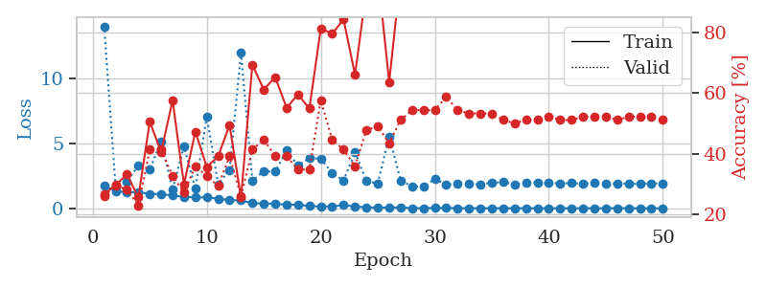
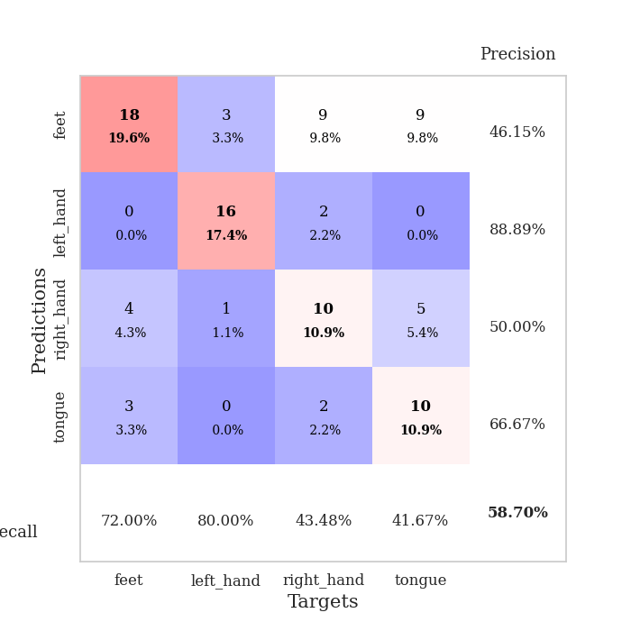
train_loss | valid_loss | train_accuracy | valid_accuracy | dur | train_misclass | valid_misclass
1.7324605247 | 14.03225849 | 0.26630434783 | 0.26086956522 | 1.1513712406 | 26.630434783 | 26.086956522
1.3433860229 | 1.7013724006 | 0.29619565217 | 0.29347826087 | 1.1492509842 | 29.619565217 | 29.347826087
1.2215073238 | 2.0746941255 | 0.33152173913 | 0.28260869565 | 1.1488211155 | 33.152173913 | 28.260869565
1.2628677876 | 3.2891364305 | 0.25543478261 | 0.22826086957 | 1.1493008137 | 25.543478261 | 22.826086957
1.1032591436 | 2.9861995759 | 0.50543478261 | 0.41304347826 | 1.1492760181 | 50.543478261 | 41.304347826
1.1073027694 | 5.1726848975 | 0.40489130435 | 0.41304347826 | 1.1480970383 | 40.489130435 | 41.304347826
0.98090181143 | 1.4327264661 | 0.57608695652 | 0.32608695652 | 1.1490426064 | 57.608695652 | 32.608695652
0.89662042908 | 4.7595497422 | 0.29891304348 | 0.27173913043 | 1.1498301029 | 29.891304348 | 27.173913043
0.83926954865 | 1.5219820323 | 0.47282608696 | 0.35869565217 | 1.1497988701 | 47.282608696 | 35.869565217
0.84458544073 | 7.075157207 | 0.35597826087 | 0.32608695652 | 1.1501984596 | 35.597826087 | 32.608695652
0.74668705723 | 1.8514228593 | 0.39130434783 | 0.29347826087 | 1.1500501633 | 39.130434783 | 29.347826087
0.63363311602 | 2.9655632765 | 0.49456521739 | 0.39130434783 | 1.1504933834 | 49.456521739 | 39.130434783
0.61959229345 | 11.974514505 | 0.25543478261 | 0.26086956522 | 1.1523542404 | 25.543478261 | 26.086956522
0.38895611173 | 2.1352272863 | 0.69293478261 | 0.41304347826 | 1.1502847672 | 69.293478261 | 41.304347826
0.38095972233 | 2.8633633904 | 0.61141304348 | 0.44565217391 | 1.1505215168 | 61.141304348 | 44.565217391
0.35711898914 | 2.8229479893 | 0.65217391304 | 0.39130434783 | 1.1504609585 | 65.217391304 | 39.130434783
0.27936996673 | 4.4487985424 | 0.55163043478 | 0.39130434783 | 1.149885416 | 55.163043478 | 39.130434783
0.27381140642 | 3.3112396572 | 0.59510869565 | 0.34782608696 | 1.1513133049 | 59.510869565 | 34.782608696
0.17687640679 | 3.8696802803 | 0.54891304348 | 0.34782608696 | 1.150677681 | 54.891304348 | 34.782608696
0.1437749376 | 3.8198586754 | 0.8125 | 0.57608695652 | 1.1513390541 | 81.25 | 57.608695652
0.1445199681 | 2.7282067071 | 0.79619565217 | 0.44565217391 | 1.1518156528 | 79.619565217 | 44.565217391
0.25648452471 | 2.139867368 | 0.84239130435 | 0.41304347826 | 1.1502096653 | 84.239130435 | 41.304347826
0.1251819729 | 4.3503846293 | 0.66032608696 | 0.35869565217 | 1.149425745 | 66.032608696 | 35.869565217
0.087848876593 | 2.0873656169 | 0.9402173913 | 0.47826086957 | 1.1492877007 | 94.02173913 | 47.826086957
0.0408781628 | 1.9285814347 | 0.99456521739 | 0.48913043478 | 1.1497693062 | 99.456521739 | 48.913043478
0.070663120415 | 5.5356602461 | 0.63586956522 | 0.4347826087 | 1.1494674683 | 63.586956522 | 43.47826087
0.059985608004 | 2.1508609938 | 0.98913043478 | 0.51086956522 | 1.1502659321 | 98.913043478 | 51.086956522
0.018139266647 | 1.6845613459 | 1 | 0.54347826087 | 1.1496632099 | 100 | 54.347826087
0.013465986521 | 1.6633428594 | 1 | 0.54347826087 | 1.15046525 | 100 | 54.347826087
0.031608497223 | 2.2674691781 | 1 | 0.54347826087 | 1.1498639584 | 100 | 54.347826087
0.024578529506 | 1.8372859644 | 1 | 0.58695652174 | 1.1508154869 | 100 | 58.695652174
0.010383607965 | 1.8678649612 | 1 | 0.54347826087 | 1.1502382755 | 100 | 54.347826087
0.010684800203 | 1.8789145532 | 1 | 0.53260869565 | 1.1508250237 | 100 | 53.260869565
0.0045401732938 | 1.8441013979 | 1 | 0.53260869565 | 1.1509516239 | 100 | 53.260869565
0.0055308245735 | 1.9709697081 | 1 | 0.53260869565 | 1.1501970291 | 100 | 53.260869565
0.011121676631 | 2.0222486828 | 1 | 0.51086956522 | 1.150359869 | 100 | 51.086956522
0.0077955469504 | 1.8589523461 | 1 | 0.5 | 1.1510229111 | 100 | 50
0.0034101384593 | 1.9527873993 | 1 | 0.51086956522 | 1.1508307457 | 100 | 51.086956522
0.0050724316585 | 1.9711780859 | 1 | 0.51086956522 | 1.1506094933 | 100 | 51.086956522
0.0077061405337 | 1.9477380566 | 1 | 0.52173913043 | 1.1518785954 | 100 | 52.173913043
0.0041205316058 | 1.9224093375 | 1 | 0.51086956522 | 1.1509311199 | 100 | 51.086956522
0.0017744358173 | 1.9391777826 | 1 | 0.51086956522 | 1.1519496441 | 100 | 51.086956522
0.0084464650281 | 1.8950719626 | 1 | 0.52173913043 | 1.151381731 | 100 | 52.173913043
0.0012955327611 | 1.9479350733 | 1 | 0.52173913043 | 1.1524000168 | 100 | 52.173913043
0.0080213350631 | 1.936067944 | 1 | 0.52173913043 | 1.1512200832 | 100 | 52.173913043
0.015238705828 | 1.8832076632 | 1 | 0.51086956522 | 1.1520080566 | 100 | 51.086956522
0.0045126456629 | 1.9088980944 | 1 | 0.52173913043 | 1.1513502598 | 100 | 52.173913043
0.0026356864135 | 1.868325814 | 1 | 0.52173913043 | 1.1518065929 | 100 | 52.173913043
0.0031982927789 | 1.9362485409 | 1 | 0.52173913043 | 1.1514651775 | 100 | 52.173913043
0.0042651619183 | 1.8962455107 | 1 | 0.51086956522 | 1.151001215 | 100 | 51.086956522

Best Val accuracy is 0.5869565217391305 and Best test accuracy is 0.5862068965517241

Sheet3
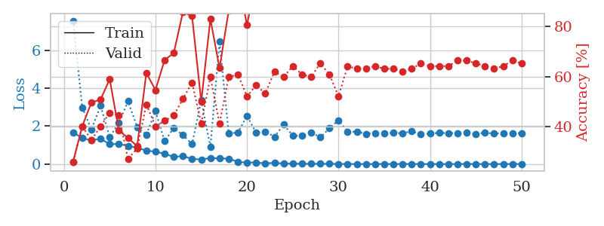
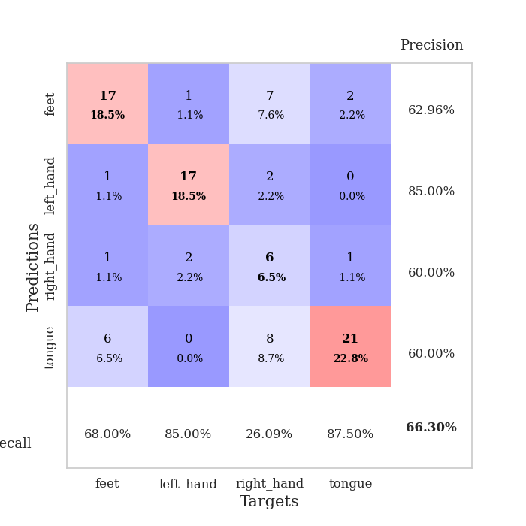
train_loss | valid_loss | train_accuracy | valid_accuracy | dur | train_misclass | valid_misclass
1.6749300127 | 7.5486512806 | 0.26086956522 | 0.26086956522 | 1.1518108845 | 26.086956522 | 26.086956522
1.3612099108 | 2.9784548386 | 0.40217391304 | 0.40217391304 | 1.1473062038 | 40.217391304 | 40.217391304
1.2603910203 | 1.8192254149 | 0.4972826087 | 0.34782608696 | 1.1495759487 | 49.72826087 | 34.782608696
1.3264148494 | 3.0721038424 | 0.50815217391 | 0.40217391304 | 1.1495904922 | 50.815217391 | 40.217391304
1.0523040061 | 1.4258304264 | 0.58967391304 | 0.45652173913 | 1.1494004726 | 58.967391304 | 45.652173913
1.0574509009 | 2.1753455971 | 0.38586956522 | 0.44565217391 | 1.1487498283 | 38.586956522 | 44.565217391
0.95694973158 | 3.3138445149 | 0.35597826087 | 0.27173913043 | 1.1491672993 | 35.597826087 | 27.173913043
0.85722929239 | 1.9533329684 | 0.32336956522 | 0.3152173913 | 1.1488666534 | 32.336956522 | 31.52173913
0.7102187548 | 1.5448050499 | 0.61413043478 | 0.48913043478 | 1.1490151882 | 61.413043478 | 48.913043478
0.65390185817 | 2.7907112992 | 0.54619565217 | 0.40217391304 | 1.1487016678 | 54.619565217 | 40.217391304
0.53919710672 | 1.2045484574 | 0.66576086957 | 0.42391304348 | 1.1486594677 | 66.576086957 | 42.391304348
0.37821736737 | 1.8998830215 | 0.69293478261 | 0.44565217391 | 1.1494543552 | 69.293478261 | 44.565217391
0.42333484182 | 1.5244262581 | 0.85597826087 | 0.51086956522 | 1.1489298344 | 85.597826087 | 51.086956522
0.2716428712 | 1.0496238677 | 0.83967391304 | 0.57608695652 | 1.1495473385 | 83.967391304 | 57.608695652
0.24050571365 | 3.3553657428 | 0.5 | 0.41304347826 | 1.1486632824 | 50 | 41.304347826
0.31992830579 | 0.90629611585 | 0.82880434783 | 0.59782608696 | 1.1482331753 | 82.880434783 | 59.782608696
0.29390900841 | 6.4504065306 | 0.63315217391 | 0.41304347826 | 1.1484720707 | 63.315217391 | 41.304347826
0.28587309433 | 1.6293186727 | 0.86141304348 | 0.59782608696 | 1.1494007111 | 86.141304348 | 59.782608696
0.11686781429 | 1.6486369527 | 0.99184782609 | 0.60869565217 | 1.1496398449 | 99.184782609 | 60.869565217
0.079201346628 | 2.5421795327 | 0.80434782609 | 0.52173913043 | 1.149494648 | 80.434782609 | 52.173913043
0.085445153325 | 1.6406645775 | 0.98641304348 | 0.5652173913 | 1.1497037411 | 98.641304348 | 56.52173913
0.033165008528 | 1.7132865553 | 0.98369565217 | 0.53260869565 | 1.1495709419 | 98.369565217 | 53.260869565
0.066227888547 | 1.4394962684 | 0.9972826087 | 0.61956521739 | 1.1498885155 | 99.72826087 | 61.956521739
0.026716260498 | 2.0746388332 | 1 | 0.59782608696 | 1.1482853889 | 100 | 59.782608696
0.02232846065 | 1.5054624547 | 1 | 0.64130434783 | 1.1493330002 | 100 | 64.130434783
0.015069244723 | 1.4852464977 | 1 | 0.60869565217 | 1.1482186317 | 100 | 60.869565217
0.013139067258 | 1.6746592833 | 1 | 0.59782608696 | 1.1493275166 | 100 | 59.782608696
0.013887131366 | 1.4064248697 | 1 | 0.65217391304 | 1.1492645741 | 100 | 65.217391304
0.013442709212 | 1.8771210442 | 1 | 0.60869565217 | 1.1478862762 | 100 | 60.869565217
0.007216466978 | 2.3081846341 | 0.94565217391 | 0.52173913043 | 1.1494920254 | 94.565217391 | 52.173913043
0.0066273876405 | 1.703368529 | 1 | 0.64130434783 | 1.1501021385 | 100 | 64.130434783
0.003212740865 | 1.7053230845 | 1 | 0.63043478261 | 1.1496386528 | 100 | 63.043478261
0.0032184868115 | 1.5964541383 | 1 | 0.63043478261 | 1.1502654552 | 100 | 63.043478261
0.003107741465 | 1.6372110533 | 1 | 0.64130434783 | 1.1497220993 | 100 | 64.130434783
0.0058279340231 | 1.637108808 | 1 | 0.63043478261 | 1.1504292488 | 100 | 63.043478261
0.0033201372071 | 1.6418984092 | 1 | 0.63043478261 | 1.1524386406 | 100 | 63.043478261
0.0042097045061 | 1.6221615543 | 1 | 0.61956521739 | 1.1515829563 | 100 | 61.956521739
0.007486643176 | 1.7280724152 | 1 | 0.63043478261 | 1.1512176991 | 100 | 63.043478261
0.0035918065494 | 1.5653672996 | 1 | 0.65217391304 | 1.1513097286 | 100 | 65.217391304
0.0030611413468 | 1.6117942022 | 1 | 0.64130434783 | 1.1515424252 | 100 | 64.130434783
0.0033490296058 | 1.6452065758 | 1 | 0.64130434783 | 1.1507155895 | 100 | 64.130434783
0.0020057458618 | 1.6317016767 | 1 | 0.64130434783 | 1.1510896683 | 100 | 64.130434783
0.0024226446764 | 1.6325548628 | 1 | 0.66304347826 | 1.1510050297 | 100 | 66.304347826
0.0077087665641 | 1.6420763524 | 1 | 0.66304347826 | 1.1511228085 | 100 | 66.304347826
0.0045031146703 | 1.5911729854 | 1 | 0.65217391304 | 1.1514821053 | 100 | 65.217391304
0.0028305999978 | 1.6483723651 | 1 | 0.64130434783 | 1.1517007351 | 100 | 64.130434783
0.002591274792 | 1.6087451137 | 1 | 0.63043478261 | 1.1515717506 | 100 | 63.043478261
0.0039709918948 | 1.6218255758 | 1 | 0.64130434783 | 1.1520953178 | 100 | 64.130434783
0.0045001135023 | 1.6088529929 | 1 | 0.66304347826 | 1.1516222954 | 100 | 66.304347826
0.0048182335437 | 1.6331877864 | 1 | 0.65217391304 | 1.1515855789 | 100 | 65.217391304

Best Val accuracy is 0.6630434782608695 and Best test accuracy is 0.5603448275862069

Sheet4
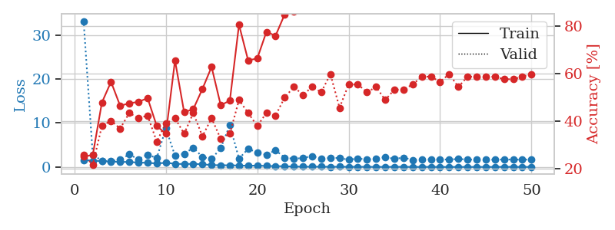
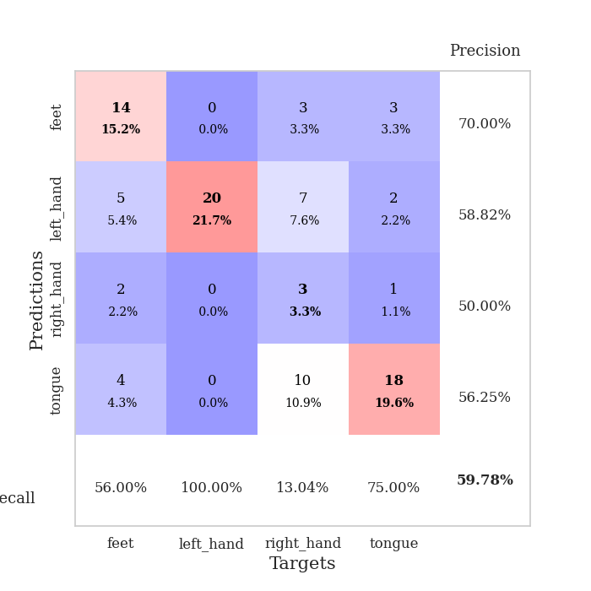
train_loss | valid_loss | train_accuracy | valid_accuracy | dur | train_misclass | valid_misclass
1.5993588437 | 33.210934017 | 0.2527173913 | 0.26086956522 | 1.1528997421 | 25.27173913 | 26.086956522
1.4369075817 | 2.7842364933 | 0.25815217391 | 0.21739130435 | 1.1469650269 | 25.815217391 | 21.739130435
1.3180352812 | 1.4356241693 | 0.47826086957 | 0.38043478261 | 1.1463696957 | 47.826086957 | 38.043478261
1.2007120485 | 1.2873759166 | 0.5652173913 | 0.40217391304 | 1.1483216286 | 56.52173913 | 40.217391304
1.1641631671 | 1.7122103857 | 0.46467391304 | 0.36956521739 | 1.1473526955 | 46.467391304 | 36.956521739
1.1224352717 | 2.8403625592 | 0.47554347826 | 0.4347826087 | 1.1456663609 | 47.554347826 | 43.47826087
1.0075507242 | 1.746930962 | 0.48097826087 | 0.41304347826 | 1.1485524178 | 48.097826087 | 41.304347826
0.94675019513 | 2.8313369855 | 0.4972826087 | 0.42391304348 | 1.1453738213 | 49.72826087 | 42.391304348
0.79164329689 | 1.9966845927 | 0.38043478261 | 0.3152173913 | 1.1510870457 | 38.043478261 | 31.52173913
0.95951560658 | 8.8329539092 | 0.34782608696 | 0.39130434783 | 1.1504604816 | 34.782608696 | 39.130434783
0.71769777977 | 2.5258573864 | 0.65489130435 | 0.41304347826 | 1.1498856544 | 65.489130435 | 41.304347826
0.65978267271 | 3.0071420981 | 0.4375 | 0.34782608696 | 1.1499519348 | 43.75 | 34.782608696
0.70667725024 | 4.364350775 | 0.45108695652 | 0.4347826087 | 1.1508584023 | 45.108695652 | 43.47826087
0.59996593646 | 2.2917582678 | 0.53532608696 | 0.33695652174 | 1.1500170231 | 53.532608696 | 33.695652174
0.4344482532 | 1.80234256 | 0.6277173913 | 0.41304347826 | 1.1503419876 | 62.77173913 | 41.304347826
0.38425331401 | 4.3143654699 | 0.46739130435 | 0.32608695652 | 1.149759531 | 46.739130435 | 32.608695652
0.37637966936 | 9.5340465463 | 0.48641304348 | 0.34782608696 | 1.1497342587 | 48.641304348 | 34.782608696
0.32991053423 | 1.8805486638 | 0.80434782609 | 0.48913043478 | 1.15097785 | 80.434782609 | 48.913043478
0.2656196091 | 4.1313370207 | 0.65489130435 | 0.4347826087 | 1.1496288776 | 65.489130435 | 43.47826087
0.31909298443 | 3.2965893745 | 0.66304347826 | 0.38043478261 | 1.1505303383 | 66.304347826 | 38.043478261
0.22117131544 | 2.8093340604 | 0.77445652174 | 0.4347826087 | 1.1510062218 | 77.445652174 | 43.47826087
0.19573069522 | 3.7904776283 | 0.75815217391 | 0.42391304348 | 1.1507194042 | 75.815217391 | 42.391304348
0.15732958176 | 2.1406827336 | 0.84782608696 | 0.5 | 1.1500747204 | 84.782608696 | 50
0.091008900624 | 1.8442524723 | 0.85869565217 | 0.54347826087 | 1.1501376629 | 85.869565217 | 54.347826087
0.070911838349 | 2.0613597891 | 0.96195652174 | 0.51086956522 | 1.1481261253 | 96.195652174 | 51.086956522
0.051439003229 | 2.4627978646 | 0.96195652174 | 0.54347826087 | 1.1499357224 | 96.195652174 | 54.347826087
0.061378716987 | 1.8594005834 | 0.9972826087 | 0.52173913043 | 1.1501858234 | 99.72826087 | 52.173913043
0.039796553856 | 2.054633379 | 0.9972826087 | 0.59782608696 | 1.1509349346 | 99.72826087 | 59.782608696
0.052037294974 | 2.0364480537 | 0.9972826087 | 0.45652173913 | 1.1502709389 | 99.72826087 | 45.652173913
0.03790278501 | 1.6393549598 | 0.9972826087 | 0.55434782609 | 1.1498453617 | 99.72826087 | 55.434782609
0.03416289298 | 1.9272326697 | 1 | 0.55434782609 | 1.1502764225 | 100 | 55.434782609
0.024714258682 | 1.7202541103 | 1 | 0.52173913043 | 1.1498951912 | 100 | 52.173913043
0.019024842054 | 1.8489561185 | 1 | 0.54347826087 | 1.1504564285 | 100 | 54.347826087
0.014782949665 | 2.2415716337 | 1 | 0.48913043478 | 1.1503925323 | 100 | 48.913043478
0.03133278824 | 1.8318237066 | 0.9972826087 | 0.53260869565 | 1.1506989002 | 99.72826087 | 53.260869565
0.023234182774 | 2.1306617778 | 1 | 0.53260869565 | 1.1508197784 | 100 | 53.260869565
0.0097279417956 | 1.5983918387 | 1 | 0.55434782609 | 1.1505432129 | 100 | 55.434782609
0.0079761639961 | 1.7099928338 | 1 | 0.58695652174 | 1.15153265 | 100 | 58.695652174
0.020771547841 | 1.7309069012 | 1 | 0.58695652174 | 1.1511466503 | 100 | 58.695652174
0.0059693100882 | 1.7339229065 | 1 | 0.5652173913 | 1.1522135735 | 100 | 56.52173913
0.0047916829024 | 1.6869367206 | 1 | 0.59782608696 | 1.1514017582 | 100 | 59.782608696
0.011619585733 | 1.8178309461 | 1 | 0.54347826087 | 1.1511807442 | 100 | 54.347826087
0.0075892065196 | 1.6922207397 | 1 | 0.58695652174 | 1.1508164406 | 100 | 58.695652174
0.0042869413965 | 1.660552087 | 1 | 0.58695652174 | 1.151614666 | 100 | 58.695652174
0.0066784357073 | 1.6784838127 | 1 | 0.58695652174 | 1.1514048576 | 100 | 58.695652174
0.0098240271454 | 1.6576244313 | 1 | 0.58695652174 | 1.1519696712 | 100 | 58.695652174
0.026256195523 | 1.6932378748 | 1 | 0.57608695652 | 1.1513185501 | 100 | 57.608695652
0.017605700204 | 1.6883380724 | 1 | 0.57608695652 | 1.1518542767 | 100 | 57.608695652
0.0048793177728 | 1.6676749561 | 1 | 0.58695652174 | 1.1512038708 | 100 | 58.695652174
0.010286999585 | 1.6796330887 | 1 | 0.59782608696 | 1.1513049603 | 100 | 59.782608696

Best Val accuracy is 0.5978260869565217 and Best test accuracy is 0.5258620689655172

Sheet5
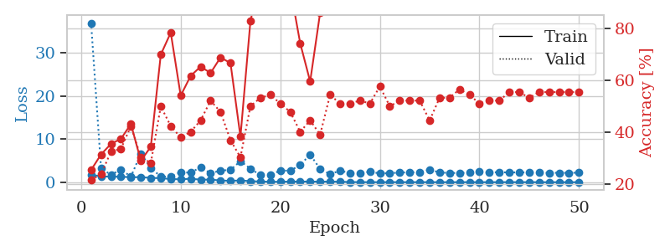
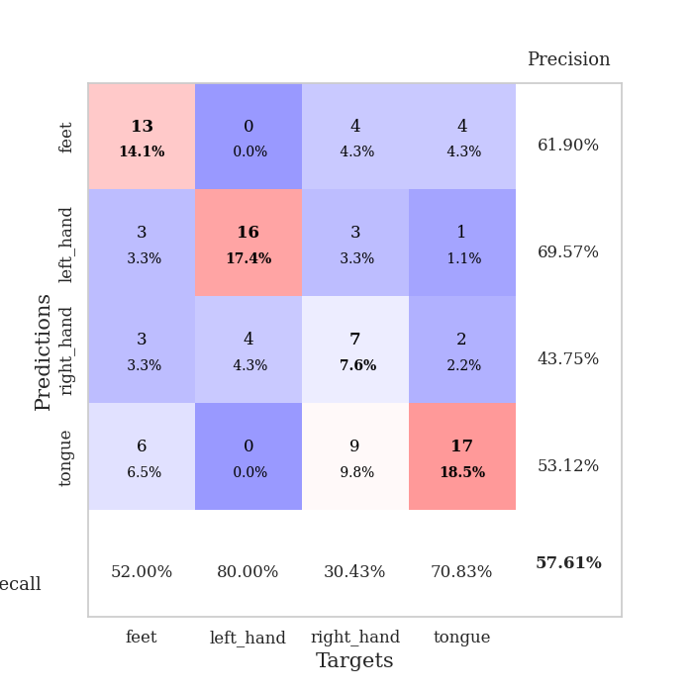
train_loss | valid_loss | train_accuracy | valid_accuracy | dur | train_misclass | valid_misclass
1.7450193996 | 36.953151703 | 0.25543478261 | 0.21739130435 | 1.1515460014 | 25.543478261 | 21.739130435
1.3390214184 | 3.2591598656 | 0.3152173913 | 0.23913043478 | 1.1496808529 | 31.52173913 | 23.913043478
1.2761161535 | 1.6943645892 | 0.35597826087 | 0.32608695652 | 1.1515479088 | 35.597826087 | 32.608695652
1.2795404766 | 2.95555575 | 0.375 | 0.33695652174 | 1.1496150494 | 37.5 | 33.695652174
1.1467290598 | 1.2847597806 | 0.43206521739 | 0.42391304348 | 1.1504166126 | 43.206521739 | 42.391304348
1.180836859 | 6.6499769169 | 0.29076086957 | 0.30434782609 | 1.1508040428 | 29.076086957 | 30.434782609
0.989569055 | 3.3081246355 | 0.34510869565 | 0.28260869565 | 1.1486153603 | 34.510869565 | 28.260869565
0.94292212828 | 1.2889934986 | 0.69836956522 | 0.5 | 1.1490421295 | 69.836956522 | 50
0.72284155047 | 1.3408669803 | 0.78260869565 | 0.42391304348 | 1.1502087116 | 78.260869565 | 42.391304348
0.67435113114 | 2.3214120036 | 0.54076086957 | 0.38043478261 | 1.1488361359 | 54.076086957 | 38.043478261
0.79584300907 | 2.1949461388 | 0.61684782609 | 0.40217391304 | 1.1493926048 | 61.684782609 | 40.217391304
0.59304819224 | 3.483035129 | 0.65217391304 | 0.44565217391 | 1.1493659019 | 65.217391304 | 44.565217391
0.59927057054 | 2.0699670626 | 0.6277173913 | 0.52173913043 | 1.1528351307 | 62.77173913 | 52.173913043
0.40423894771 | 2.6977402646 | 0.6875 | 0.47826086957 | 1.1495196819 | 68.75 | 47.826086957
0.3095062997 | 2.8620574682 | 0.66576086957 | 0.36956521739 | 1.1493806839 | 66.576086957 | 36.956521739
0.40843475934 | 4.877303279 | 0.38315217391 | 0.30434782609 | 1.1508016586 | 38.315217391 | 30.434782609
0.24068925303 | 3.1430745954 | 0.82608695652 | 0.5 | 1.1518681049 | 82.608695652 | 50
0.16334545786 | 1.6364565207 | 0.9972826087 | 0.53260869565 | 1.1540520191 | 99.72826087 | 53.260869565
0.091687937794 | 1.7119684945 | 0.94836956522 | 0.54347826087 | 1.1494288445 | 94.836956522 | 54.347826087
0.10315432363 | 2.6939837622 | 0.90760869565 | 0.51086956522 | 1.1477108002 | 90.760869565 | 51.086956522
0.14037440976 | 2.6826610462 | 0.95380434783 | 0.47826086957 | 1.1478033066 | 95.380434783 | 47.826086957
0.15141864615 | 3.9839119289 | 0.74184782609 | 0.40217391304 | 1.1503374577 | 74.184782609 | 40.217391304
0.14431196548 | 6.4173823232 | 0.59510869565 | 0.44565217391 | 1.1507749557 | 59.510869565 | 44.565217391
0.12253582141 | 3.0621777825 | 0.85869565217 | 0.39130434783 | 1.1509287357 | 85.869565217 | 39.130434783
0.13357333786 | 1.8595495846 | 0.97010869565 | 0.54347826087 | 1.1506106853 | 97.010869565 | 54.347826087
0.10749694539 | 2.6813732852 | 0.9402173913 | 0.51086956522 | 1.1509149075 | 94.02173913 | 51.086956522
0.039203143172 | 2.1086994358 | 0.99456521739 | 0.51086956522 | 1.1516232491 | 99.456521739 | 51.086956522
0.021862221452 | 2.157751695 | 1 | 0.52173913043 | 1.1526472569 | 100 | 52.173913043
0.011249789462 | 2.4149490232 | 0.99456521739 | 0.51086956522 | 1.150708437 | 99.456521739 | 51.086956522
0.010942533592 | 2.0384969193 | 1 | 0.57608695652 | 1.1504502296 | 100 | 57.608695652
0.021756856669 | 2.084246594 | 1 | 0.5 | 1.1490218639 | 100 | 50
0.012757226769 | 2.2425840834 | 1 | 0.52173913043 | 1.1497268677 | 100 | 52.173913043
0.014454049163 | 2.2694021204 | 1 | 0.52173913043 | 1.1504099369 | 100 | 52.173913043
0.015869533651 | 2.3025529592 | 1 | 0.52173913043 | 1.148860693 | 100 | 52.173913043
0.015908776527 | 2.9100300022 | 0.98369565217 | 0.44565217391 | 1.1500854492 | 98.369565217 | 44.565217391
0.007747649491 | 2.2582865694 | 1 | 0.53260869565 | 1.1501953602 | 100 | 53.260869565
0.01188698475 | 2.1452429087 | 1 | 0.53260869565 | 1.1500608921 | 100 | 53.260869565
0.0085449809798 | 2.1374328758 | 1 | 0.5652173913 | 1.1500620842 | 100 | 56.52173913
0.018806327944 | 2.2215327491 | 1 | 0.54347826087 | 1.1506142616 | 100 | 54.347826087
0.0062045288062 | 2.4552705288 | 1 | 0.51086956522 | 1.1502392292 | 100 | 51.086956522
0.006142150617 | 2.2964154845 | 1 | 0.52173913043 | 1.1503300667 | 100 | 52.173913043
0.0065518846449 | 2.305486648 | 1 | 0.52173913043 | 1.1505610943 | 100 | 52.173913043
0.017099701988 | 2.2589228775 | 1 | 0.55434782609 | 1.1517720222 | 100 | 55.434782609
0.0078663988331 | 2.2698511974 | 1 | 0.55434782609 | 1.1507611275 | 100 | 55.434782609
0.016358473814 | 2.2656597573 | 1 | 0.53260869565 | 1.1510374546 | 100 | 53.260869565
0.0042134765074 | 2.1892493704 | 1 | 0.55434782609 | 1.1513917446 | 100 | 55.434782609
0.0026935135804 | 2.1734135669 | 1 | 0.55434782609 | 1.152254343 | 100 | 55.434782609
0.003922622351 | 2.182441162 | 1 | 0.55434782609 | 1.1507337093 | 100 | 55.434782609
0.0029591651894 | 2.170681487 | 1 | 0.55434782609 | 1.150021553 | 100 | 55.434782609
0.002885125959 | 2.2086421199 | 1 | 0.55434782609 | 1.1500322819 | 100 | 55.434782609

Best Val accuracy is 0.5760869565217391 and Best test accuracy is 0.5258620689655172

Sheet6
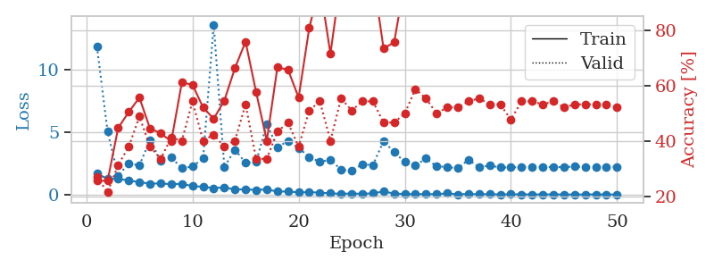
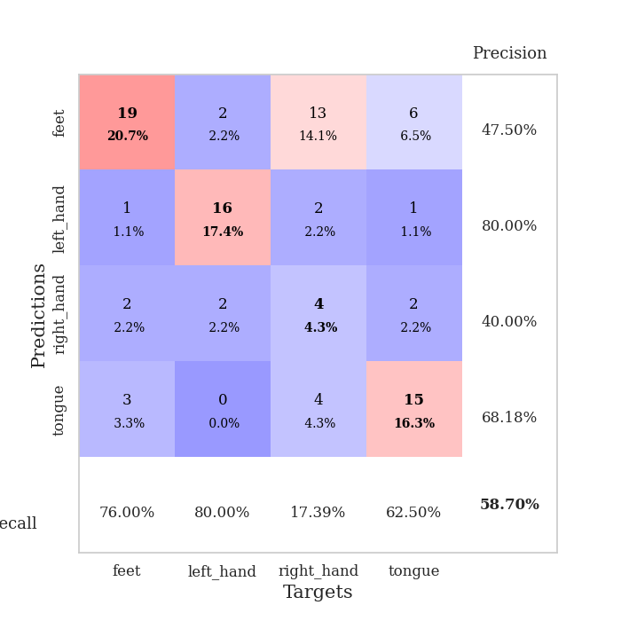
train_loss | valid_loss | train_accuracy | valid_accuracy | dur | train_misclass | valid_misclass
1.6683895743 | 11.819068743 | 0.25815217391 | 0.27173913043 | 1.1498985291 | 25.815217391 | 27.173913043
1.2527832207 | 5.0184596518 | 0.25815217391 | 0.21739130435 | 1.1491513252 | 25.815217391 | 21.739130435
1.2527663915 | 1.5089401991 | 0.44836956522 | 0.3152173913 | 1.1487653255 | 44.836956522 | 31.52173913
1.1252598788 | 2.4773020537 | 0.50543478261 | 0.38043478261 | 1.1476585865 | 50.543478261 | 38.043478261
0.99229520041 | 2.3280038212 | 0.55706521739 | 0.48913043478 | 1.148293972 | 55.706521739 | 48.913043478
0.87167730539 | 4.3671645082 | 0.44565217391 | 0.38043478261 | 1.1471979618 | 44.565217391 | 38.043478261
0.88879452322 | 2.6858397256 | 0.42934782609 | 0.33695652174 | 1.149118185 | 42.934782609 | 33.695652174
0.82543678776 | 2.9732834775 | 0.39945652174 | 0.41304347826 | 1.1480512619 | 39.945652174 | 41.304347826
0.86181905736 | 2.0897292417 | 0.61141304348 | 0.40217391304 | 1.1502096653 | 61.141304348 | 40.217391304
0.67076192861 | 2.2422487425 | 0.60326086957 | 0.54347826087 | 1.1491370201 | 60.326086957 | 54.347826087
0.62634084471 | 2.8833718715 | 0.52173913043 | 0.40217391304 | 1.14879179 | 52.173913043 | 40.217391304
0.51508136612 | 13.567279277 | 0.48097826087 | 0.42391304348 | 1.1468193531 | 48.097826087 | 42.391304348
0.5796861208 | 2.2070403566 | 0.54619565217 | 0.38043478261 | 1.1473245621 | 54.619565217 | 38.043478261
0.39840858203 | 3.5802586804 | 0.66304347826 | 0.40217391304 | 1.1504895687 | 66.304347826 | 40.217391304
0.42199613219 | 2.5384458563 | 0.75815217391 | 0.53260869565 | 1.1511945724 | 75.815217391 | 53.260869565
0.36506945122 | 2.592327035 | 0.57608695652 | 0.33695652174 | 1.1529588699 | 57.608695652 | 33.695652174
0.41505023448 | 5.6338355852 | 0.40217391304 | 0.33695652174 | 1.1517629623 | 40.217391304 | 33.695652174
0.23475395678 | 3.7576674378 | 0.66576086957 | 0.4347826087 | 1.1521775723 | 66.576086957 | 43.47826087
0.25053122996 | 4.2891767751 | 0.65760869565 | 0.46739130435 | 1.1513581276 | 65.760869565 | 46.739130435
0.16923283466 | 3.7023440133 | 0.55706521739 | 0.38043478261 | 1.1520998478 | 55.706521739 | 38.043478261
0.20059465998 | 3.0127189263 | 0.80706521739 | 0.51086956522 | 1.1512751579 | 80.706521739 | 51.086956522
0.14973199238 | 2.5950820135 | 0.96195652174 | 0.54347826087 | 1.1515190601 | 96.195652174 | 54.347826087
0.099678667728 | 2.7969377041 | 0.71467391304 | 0.40217391304 | 1.1513328552 | 71.467391304 | 40.217391304
0.061817734097 | 1.9678109314 | 0.99456521739 | 0.55434782609 | 1.1524372101 | 99.456521739 | 55.434782609
0.083249161941 | 1.9230072809 | 0.99184782609 | 0.51086956522 | 1.1491658688 | 99.184782609 | 51.086956522
0.060608729254 | 2.4083365876 | 0.98641304348 | 0.54347826087 | 1.1526479721 | 98.641304348 | 54.347826087
0.099244869142 | 2.3522478187 | 1 | 0.54347826087 | 1.151515007 | 100 | 54.347826087
0.24454141914 | 4.2698895206 | 0.73369565217 | 0.46739130435 | 1.1526601315 | 73.369565217 | 46.739130435
0.083521223587 | 3.3778003713 | 0.75543478261 | 0.46739130435 | 1.1520926952 | 75.543478261 | 46.739130435
0.044775861366 | 2.607918418 | 0.97554347826 | 0.5 | 1.1521296501 | 97.554347826 | 50
0.032496357549 | 2.3245360437 | 0.99456521739 | 0.58695652174 | 1.1509447098 | 99.456521739 | 58.695652174
0.038103657349 | 2.880305539 | 0.9972826087 | 0.55434782609 | 1.1509621143 | 99.72826087 | 55.434782609
0.037272792978 | 2.2520580603 | 0.9972826087 | 0.5 | 1.1527018547 | 99.72826087 | 50
0.095070826669 | 2.2068429926 | 1 | 0.52173913043 | 1.1518354416 | 100 | 52.173913043
0.020449116867 | 2.0893609109 | 1 | 0.52173913043 | 1.1519582272 | 100 | 52.173913043
0.049347484626 | 2.7834694697 | 0.9972826087 | 0.54347826087 | 1.1525883675 | 99.72826087 | 54.347826087
0.020969022566 | 2.1822734708 | 1 | 0.55434782609 | 1.1523520947 | 100 | 55.434782609
0.034108191977 | 2.3170656951 | 1 | 0.53260869565 | 1.1520814896 | 100 | 53.260869565
0.011080861122 | 2.1638662919 | 1 | 0.53260869565 | 1.1528270245 | 100 | 53.260869565
0.022107999458 | 2.1674818889 | 1 | 0.47826086957 | 1.1521713734 | 100 | 47.826086957
0.018801197265 | 2.1877007588 | 1 | 0.54347826087 | 1.1519041061 | 100 | 54.347826087
0.0090943842635 | 2.2037423072 | 1 | 0.54347826087 | 1.1523244381 | 100 | 54.347826087
0.011408826189 | 2.2067343359 | 1 | 0.53260869565 | 1.1528782845 | 100 | 53.260869565
0.017408253468 | 2.1950498353 | 1 | 0.54347826087 | 1.1520643234 | 100 | 54.347826087
0.0065915492849 | 2.1940497937 | 1 | 0.52173913043 | 1.1518652439 | 100 | 52.173913043
0.0035103383112 | 2.2323521013 | 1 | 0.53260869565 | 1.1524448395 | 100 | 53.260869565
0.0093665654017 | 2.2183802128 | 1 | 0.53260869565 | 1.1526248455 | 100 | 53.260869565
0.018992466032 | 2.195293893 | 1 | 0.53260869565 | 1.1521861553 | 100 | 53.260869565
0.004189303327 | 2.2138138232 | 1 | 0.53260869565 | 1.1517806053 | 100 | 53.260869565
0.0076623242627 | 2.2139185719 | 1 | 0.52173913043 | 1.151955843 | 100 | 52.173913043

Best Val accuracy is 0.5869565217391305 and Best test accuracy is 0.5258620689655172

Sheet7
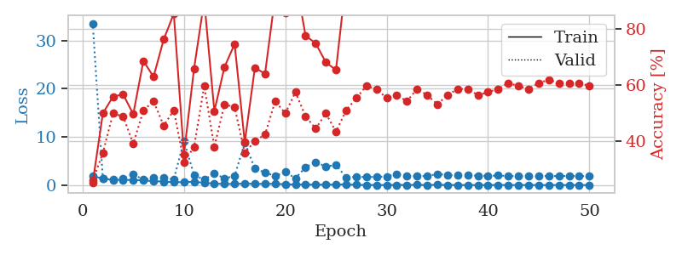
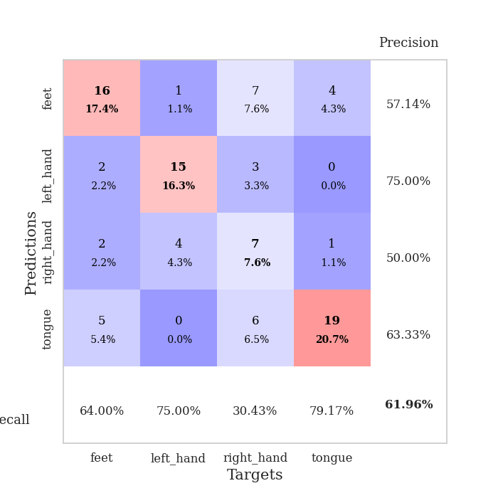
train_loss | valid_loss | train_accuracy | valid_accuracy | dur | train_misclass | valid_misclass
1.8584959351 | 33.5377388 | 0.2527173913 | 0.26086956522 | 1.1485459805 | 25.27173913 | 26.086956522
1.3484983289 | 1.2955887369 | 0.5 | 0.35869565217 | 1.1464519501 | 50 | 35.869565217
1.1087679863 | 1.0700783574 | 0.5597826087 | 0.5 | 1.1491365433 | 55.97826087 | 50
1.0647080048 | 1.4079267668 | 0.56793478261 | 0.48913043478 | 1.1484644413 | 56.793478261 | 48.913043478
1.0736806134 | 2.2419286604 | 0.4972826087 | 0.39130434783 | 1.1478259563 | 49.72826087 | 39.130434783
0.95342525192 | 1.1182836605 | 0.6875 | 0.51086956522 | 1.1494743824 | 68.75 | 51.086956522
0.83375146208 | 1.5117219376 | 0.63043478261 | 0.54347826087 | 1.1506650448 | 63.043478261 | 54.347826087
0.73349258952 | 1.4651834861 | 0.76358695652 | 0.45652173913 | 1.1495132446 | 76.358695652 | 45.652173913
0.60347139447 | 1.2421490731 | 0.85597826087 | 0.51086956522 | 1.1464772224 | 85.597826087 | 51.086956522
0.63132652057 | 9.1601858968 | 0.35326086957 | 0.32608695652 | 1.1483299732 | 35.326086957 | 32.608695652
0.70830031322 | 2.0709196277 | 0.66032608696 | 0.38043478261 | 1.149671793 | 66.032608696 | 38.043478261
0.48182447319 | 1.1119546942 | 0.90217391304 | 0.59782608696 | 1.1498782635 | 90.217391304 | 59.782608696
0.31556739755 | 2.4247253356 | 0.50815217391 | 0.38043478261 | 1.1510441303 | 50.815217391 | 38.043478261
0.2395373382 | 1.3861885537 | 0.66576086957 | 0.53260869565 | 1.1476728916 | 66.576086957 | 53.260869565
0.2492414227 | 1.8864793259 | 0.7472826087 | 0.52173913043 | 1.1488916874 | 74.72826087 | 52.173913043
0.31205068658 | 8.7794438652 | 0.39673913043 | 0.35869565217 | 1.1513252258 | 39.673913043 | 35.869565217
0.25212088519 | 3.4080422547 | 0.66304347826 | 0.40217391304 | 1.1511878967 | 66.304347826 | 40.217391304
0.25960074713 | 2.600954657 | 0.64130434783 | 0.42391304348 | 1.1509096622 | 64.130434783 | 42.391304348
0.27294357267 | 1.8829591274 | 0.91847826087 | 0.54347826087 | 1.151538372 | 91.847826087 | 54.347826087
0.17474179674 | 2.7421806688 | 0.85869565217 | 0.5 | 1.151664257 | 85.869565217 | 50
0.11711664765 | 1.3814989173 | 0.98097826087 | 0.57608695652 | 1.1528069973 | 98.097826087 | 57.608695652
0.10286611379 | 3.7347714383 | 0.77717391304 | 0.48913043478 | 1.1516315937 | 77.717391304 | 48.913043478
0.095017876112 | 4.7412552834 | 0.75 | 0.44565217391 | 1.1531395912 | 75 | 44.565217391
0.086474726827 | 3.8696218366 | 0.68206521739 | 0.5 | 1.1511895657 | 68.206521739 | 50
0.10561627609 | 4.1672187162 | 0.65489130435 | 0.4347826087 | 1.1510541439 | 65.489130435 | 43.47826087
0.14794691453 | 1.617682939 | 0.97826086957 | 0.51086956522 | 1.1522769928 | 97.826086957 | 51.086956522
0.048969037952 | 1.7096559898 | 1 | 0.55434782609 | 1.1528408527 | 100 | 55.434782609
0.017913546089 | 1.6942811116 | 1 | 0.59782608696 | 1.1523120403 | 100 | 59.782608696
0.025636245324 | 1.7028521973 | 1 | 0.58695652174 | 1.1525216103 | 100 | 58.695652174
0.013167749632 | 1.8076850642 | 1 | 0.55434782609 | 1.1517374516 | 100 | 55.434782609
0.033046734438 | 2.22666502 | 1 | 0.5652173913 | 1.1523983479 | 100 | 56.52173913
0.037076209844 | 1.9760778572 | 1 | 0.54347826087 | 1.1527125835 | 100 | 54.347826087
0.047971475186 | 1.8399890195 | 0.98913043478 | 0.58695652174 | 1.1520707607 | 98.913043478 | 58.695652174
0.021824579721 | 1.8925826031 | 1 | 0.5652173913 | 1.1519701481 | 100 | 56.52173913
0.055991896459 | 2.2830372997 | 1 | 0.53260869565 | 1.1518347263 | 100 | 53.260869565
0.033903774795 | 2.0930473804 | 1 | 0.5652173913 | 1.1525015831 | 100 | 56.52173913
0.012633820409 | 2.0064989899 | 1 | 0.58695652174 | 1.1526401043 | 100 | 58.695652174
0.013555209411 | 2.0613857456 | 1 | 0.58695652174 | 1.1517353058 | 100 | 58.695652174
0.0089425773691 | 1.9455703341 | 1 | 0.5652173913 | 1.1520419121 | 100 | 56.52173913
0.0044055447848 | 1.9044638095 | 1 | 0.57608695652 | 1.1521608829 | 100 | 57.608695652
0.030628417449 | 1.9934431055 | 1 | 0.58695652174 | 1.1515359879 | 100 | 58.695652174
0.009407014176 | 1.8657109945 | 1 | 0.60869565217 | 1.1515557766 | 100 | 60.869565217
0.013928653142 | 1.887742281 | 1 | 0.59782608696 | 1.1507787704 | 100 | 59.782608696
0.010587372973 | 1.8558144051 | 1 | 0.58695652174 | 1.1502325535 | 100 | 58.695652174
0.004157931287 | 1.8700407795 | 1 | 0.60869565217 | 1.1506764889 | 100 | 60.869565217
0.009300974185 | 1.8963531826 | 1 | 0.61956521739 | 1.1504459381 | 100 | 61.956521739
0.0077134943131 | 1.8632452592 | 1 | 0.60869565217 | 1.1502919197 | 100 | 60.869565217
0.0039569853752 | 1.8996370253 | 1 | 0.60869565217 | 1.149828434 | 100 | 60.869565217
0.0084653366079 | 1.8441225031 | 1 | 0.60869565217 | 1.151154995 | 100 | 60.869565217
0.0044639072123 | 1.914216591 | 1 | 0.59782608696 | 1.1513006687 | 100 | 59.782608696

Best Val accuracy is 0.6195652173913043 and Best test accuracy is 0.5

Sheet8
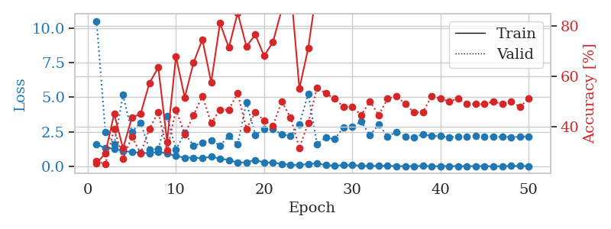
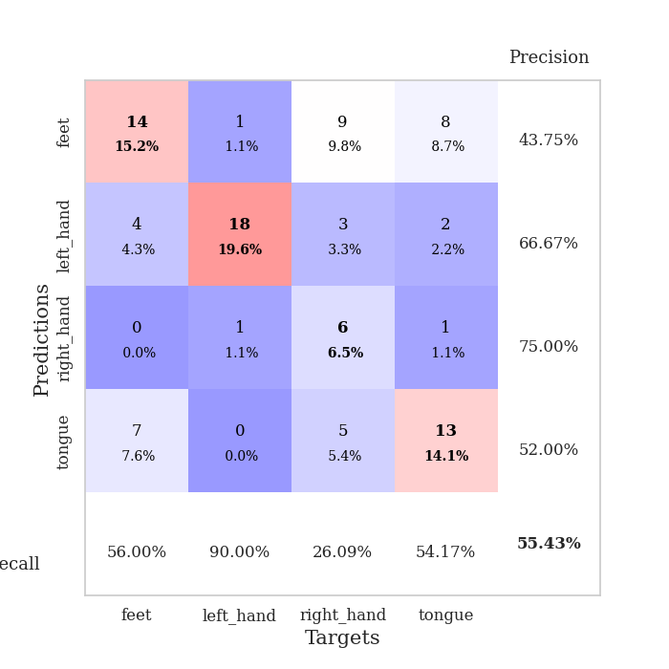
train_loss | valid_loss | train_accuracy | valid_accuracy | dur | train_misclass | valid_misclass
1.5889289068 | 10.509478569 | 0.2527173913 | 0.26086956522 | 1.151206255 | 25.27173913 | 26.086956522
1.3144282621 | 2.4975105058 | 0.29347826087 | 0.25 | 1.1483201981 | 29.347826087 | 25
1.2732249421 | 1.5657933328 | 0.45108695652 | 0.39130434783 | 1.1467504501 | 45.108695652 | 39.130434783
1.1078881466 | 5.1554035726 | 0.3125 | 0.27173913043 | 1.1501345634 | 31.25 | 27.173913043
1.0338995794 | 2.4719974165 | 0.4347826087 | 0.35869565217 | 1.1472358704 | 43.47826087 | 35.869565217
0.96941934979 | 3.1542342953 | 0.45108695652 | 0.29347826087 | 1.150039196 | 45.108695652 | 29.347826087
0.95043853832 | 1.2080267564 | 0.57336956522 | 0.39130434783 | 1.1494336128 | 57.336956522 | 39.130434783
1.0531801244 | 1.24858539 | 0.63586956522 | 0.45652173913 | 1.1518070698 | 63.586956522 | 45.652173913
0.93060204775 | 3.6094184129 | 0.33967391304 | 0.30434782609 | 1.1480221748 | 33.967391304 | 30.434782609
0.7471822876 | 1.2126904933 | 0.67934782609 | 0.46739130435 | 1.1468260288 | 67.934782609 | 46.739130435
0.61947652957 | 2.4002153148 | 0.51630434783 | 0.36956521739 | 1.1478936672 | 51.630434783 | 36.956521739
0.62154676085 | 1.4880324913 | 0.65489130435 | 0.44565217391 | 1.1484398842 | 65.489130435 | 44.565217391
0.58353749954 | 1.7012289607 | 0.7472826087 | 0.52173913043 | 1.1511535645 | 74.72826087 | 52.173913043
0.69389276595 | 1.8847580008 | 0.57608695652 | 0.41304347826 | 1.1467330456 | 57.608695652 | 41.304347826
0.55077796203 | 1.4987293119 | 0.8125 | 0.46739130435 | 1.149487257 | 81.25 | 46.739130435
0.46000961182 | 2.1936437306 | 0.71467391304 | 0.46739130435 | 1.1492295265 | 71.467391304 | 46.739130435
0.26942158069 | 1.5994439073 | 0.85326086957 | 0.53260869565 | 1.1491594315 | 85.326086957 | 53.260869565
0.28264169589 | 4.6322066888 | 0.72010869565 | 0.39130434783 | 1.1471610069 | 72.010869565 | 39.130434783
0.45857111203 | 2.2674709092 | 0.76630434783 | 0.45652173913 | 1.1495609283 | 76.630434783 | 45.652173913
0.26752655662 | 2.6720813772 | 0.68206521739 | 0.42391304348 | 1.1498901844 | 68.206521739 | 42.391304348
0.27683876422 | 2.6930652805 | 0.73641304348 | 0.40217391304 | 1.1500160694 | 73.641304348 | 40.217391304
0.16743935499 | 2.3113151011 | 0.86684782609 | 0.5 | 1.1498184204 | 86.684782609 | 50
0.096113959732 | 2.1876193648 | 0.95923913043 | 0.4347826087 | 1.1496684551 | 95.923913043 | 43.47826087
0.092942666181 | 3.0415891668 | 0.55163043478 | 0.3152173913 | 1.1493830681 | 55.163043478 | 31.52173913
0.16229895923 | 5.241660823 | 0.71195652174 | 0.41304347826 | 1.1494982243 | 71.195652174 | 41.304347826
0.2116114909 | 1.61975065 | 0.95652173913 | 0.55434782609 | 1.1499629021 | 95.652173913 | 55.434782609
0.079387791738 | 2.0656738489 | 1 | 0.53260869565 | 1.1499826908 | 100 | 53.260869565
0.054496413461 | 1.9742759414 | 0.98097826087 | 0.51086956522 | 1.1493415833 | 98.097826087 | 51.086956522
0.077121260778 | 2.798589582 | 0.98369565217 | 0.47826086957 | 1.1489584446 | 98.369565217 | 47.826086957
0.08062874876 | 2.8432959681 | 0.99456521739 | 0.47826086957 | 1.1499214172 | 99.456521739 | 47.826086957
0.045656157718 | 3.2572920737 | 0.98913043478 | 0.44565217391 | 1.1507394314 | 98.913043478 | 44.565217391
0.021196806439 | 2.2397255638 | 1 | 0.5 | 1.1494133472 | 100 | 50
0.026658409417 | 3.0338012136 | 0.90217391304 | 0.44565217391 | 1.1506865025 | 90.217391304 | 44.565217391
0.037982706148 | 2.1436429542 | 0.98641304348 | 0.51086956522 | 1.1495685577 | 98.641304348 | 51.086956522
0.01755354433 | 2.5016150475 | 1 | 0.52173913043 | 1.1516885757 | 100 | 52.173913043
0.0065742827314 | 2.1629662203 | 1 | 0.48913043478 | 1.1497039795 | 100 | 48.913043478
0.013426669537 | 2.1052797463 | 1 | 0.45652173913 | 1.1513938904 | 100 | 45.652173913
0.025777093358 | 2.3031254333 | 1 | 0.45652173913 | 1.1515543461 | 100 | 45.652173913
0.011290348393 | 2.1918608158 | 1 | 0.52173913043 | 1.1512851715 | 100 | 52.173913043
0.010572996299 | 2.1873505582 | 1 | 0.51086956522 | 1.1508553028 | 100 | 51.086956522
0.011889689288 | 2.0800967424 | 1 | 0.5 | 1.1514151096 | 100 | 50
0.011115306113 | 2.1668381069 | 1 | 0.51086956522 | 1.1506795883 | 100 | 51.086956522
0.011347564952 | 2.1170759927 | 1 | 0.48913043478 | 1.1522734165 | 100 | 48.913043478
0.011309533289 | 2.177411494 | 1 | 0.48913043478 | 1.1506762505 | 100 | 48.913043478
0.0082449507469 | 2.1439537587 | 1 | 0.48913043478 | 1.1519577503 | 100 | 48.913043478
0.0056110641909 | 2.1288565449 | 1 | 0.5 | 1.1515679359 | 100 | 50
0.0061304382777 | 2.145345579 | 1 | 0.48913043478 | 1.1539213657 | 100 | 48.913043478
0.028112037138 | 2.1141014566 | 1 | 0.5 | 1.1528263092 | 100 | 50
0.025855610643 | 2.1327529368 | 1 | 0.47826086957 | 1.1524202824 | 100 | 47.826086957
0.010437692194 | 2.1658344061 | 1 | 0.51086956522 | 1.1523194313 | 100 | 51.086956522

Best Val accuracy is 0.5543478260869565 and Best test accuracy is 0.49137931034482757

Sheet9
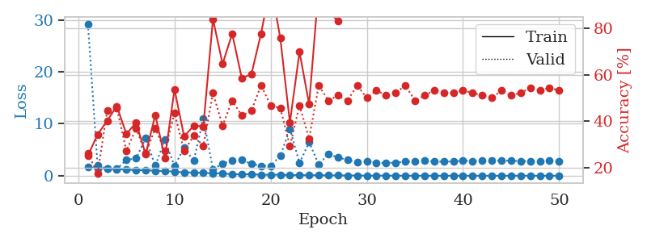
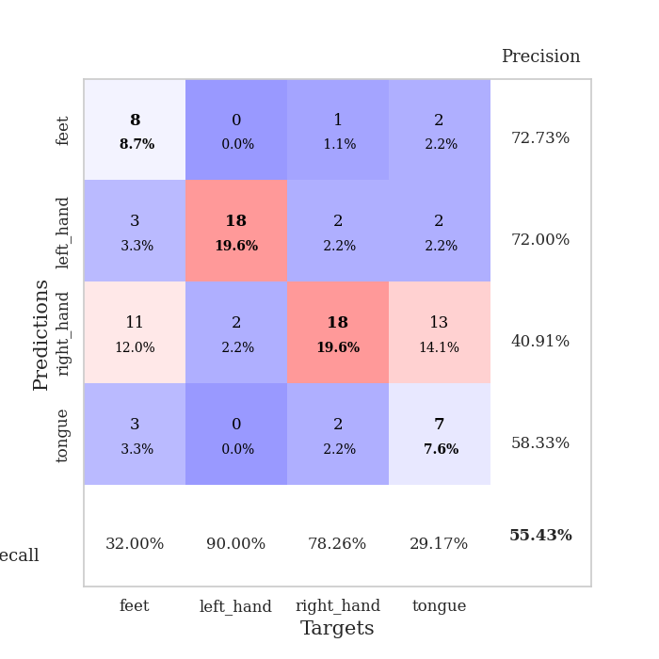
train_loss | valid_loss | train_accuracy | valid_accuracy | dur | train_misclass | valid_misclass
1.6305189444 | 29.141582489 | 0.2527173913 | 0.26086956522 | 1.1527130604 | 25.27173913 | 26.086956522
1.4193216044 | 2.0541419983 | 0.34239130435 | 0.17391304348 | 1.1478457451 | 34.239130435 | 17.391304348
1.4101961488 | 1.3280484365 | 0.40217391304 | 0.44565217391 | 1.1503267288 | 40.217391304 | 44.565217391
1.2969161557 | 1.3229032859 | 0.46467391304 | 0.45652173913 | 1.1486027241 | 46.467391304 | 45.652173913
1.166304565 | 3.0605510732 | 0.34510869565 | 0.27173913043 | 1.1508848667 | 34.510869565 | 27.173913043
1.0665126702 | 3.3197844443 | 0.39402173913 | 0.36956521739 | 1.1490924358 | 39.402173913 | 36.956521739
1.0533973523 | 7.2108782478 | 0.25815217391 | 0.26086956522 | 1.1487431526 | 25.815217391 | 26.086956522
0.95493981113 | 1.9413088042 | 0.42663043478 | 0.36956521739 | 1.1494622231 | 42.663043478 | 36.956521739
0.88023049935 | 6.9164404247 | 0.24184782609 | 0.27173913043 | 1.1498534679 | 24.184782609 | 27.173913043
0.82027847611 | 1.8540295 | 0.53804347826 | 0.4347826087 | 1.1483917236 | 53.804347826 | 43.47826087
0.62676554011 | 5.3761591911 | 0.33423913043 | 0.27173913043 | 1.1491968632 | 33.423913043 | 27.173913043
0.62476118751 | 2.8564585395 | 0.38043478261 | 0.33695652174 | 1.1496639252 | 38.043478261 | 33.695652174
0.54649117913 | 10.97220993 | 0.3777173913 | 0.29347826087 | 1.1489772797 | 37.77173913 | 29.347826087
0.50115238454 | 1.2700528217 | 0.83967391304 | 0.52173913043 | 1.1496891975 | 83.967391304 | 52.173913043
0.44849150595 | 2.3019137953 | 0.64673913043 | 0.38043478261 | 1.1508793831 | 64.673913043 | 38.043478261
0.29862372755 | 2.9401992508 | 0.77717391304 | 0.48913043478 | 1.1486744881 | 77.717391304 | 48.913043478
0.25649045975 | 3.058364184 | 0.58423913043 | 0.42391304348 | 1.1482264996 | 58.423913043 | 42.391304348
0.3138352017 | 2.2628673471 | 0.60326086957 | 0.44565217391 | 1.1488859653 | 60.326086957 | 44.565217391
0.18105514007 | 1.9131793458 | 0.77717391304 | 0.55434782609 | 1.1497237682 | 77.717391304 | 55.434782609
0.19721711739 | 1.9192257549 | 0.98913043478 | 0.46739130435 | 1.1505758762 | 98.913043478 | 46.739130435
0.20729005393 | 3.7872012594 | 0.75815217391 | 0.45652173913 | 1.1485636234 | 75.815217391 | 45.652173913
0.11640849681 | 9.0488896577 | 0.39402173913 | 0.29347826087 | 1.1498916149 | 39.402173913 | 29.347826087
0.12518320686 | 2.4378335891 | 0.69836956522 | 0.46739130435 | 1.149361372 | 69.836956522 | 46.739130435
0.092905291559 | 6.4342518267 | 0.47282608696 | 0.32608695652 | 1.1506636143 | 47.282608696 | 32.608695652
0.099920122439 | 2.1705360309 | 0.98097826087 | 0.55434782609 | 1.1500530243 | 98.097826087 | 55.434782609
0.059445849438 | 4.1847939284 | 0.8722826087 | 0.48913043478 | 1.1513733864 | 87.22826087 | 48.913043478
0.076224400419 | 3.5036681839 | 0.83152173913 | 0.51086956522 | 1.1507508755 | 83.152173913 | 51.086956522
0.050715918936 | 3.0612246265 | 0.99184782609 | 0.48913043478 | 1.1508319378 | 99.184782609 | 48.913043478
0.047666830972 | 2.5600953206 | 0.96195652174 | 0.55434782609 | 1.1512520313 | 96.195652174 | 55.434782609
0.02478925742 | 2.8019942201 | 1 | 0.5 | 1.1507086754 | 100 | 50
0.015920198107 | 2.4931019804 | 1 | 0.53260869565 | 1.1523425579 | 100 | 53.260869565
0.018711585931 | 2.4643692452 | 1 | 0.51086956522 | 1.1509559155 | 100 | 51.086956522
0.023551091043 | 2.5338117558 | 1 | 0.52173913043 | 1.1507134438 | 100 | 52.173913043
0.012040979502 | 2.7059767765 | 1 | 0.55434782609 | 1.150357008 | 100 | 55.434782609
0.0084339819909 | 2.7340255509 | 1 | 0.48913043478 | 1.1511416435 | 100 | 48.913043478
0.012592176841 | 2.8631732567 | 1 | 0.51086956522 | 1.1513514519 | 100 | 51.086956522
0.004931791626 | 2.764932819 | 1 | 0.53260869565 | 1.1511712074 | 100 | 53.260869565
0.0029010857372 | 2.7067636822 | 1 | 0.52173913043 | 1.1507053375 | 100 | 52.173913043
0.003510679329 | 2.7751324488 | 1 | 0.52173913043 | 1.1513934135 | 100 | 52.173913043
0.0069314025491 | 2.9057034617 | 1 | 0.53260869565 | 1.1506354809 | 100 | 53.260869565
0.0031207150314 | 2.8080731268 | 1 | 0.52173913043 | 1.1512756348 | 100 | 52.173913043
0.0059723566026 | 2.9218258443 | 1 | 0.51086956522 | 1.1502432823 | 100 | 51.086956522
0.0057581224594 | 2.85715099 | 1 | 0.5 | 1.1513783932 | 100 | 50
0.0039427788737 | 2.918186789 | 1 | 0.53260869565 | 1.1501591206 | 100 | 53.260869565
0.002847793798 | 2.8849522964 | 1 | 0.51086956522 | 1.151031971 | 100 | 51.086956522
0.0075193643785 | 2.8313502851 | 1 | 0.52173913043 | 1.1508233547 | 100 | 52.173913043
0.0043518313235 | 2.7795296545 | 1 | 0.54347826087 | 1.1516623497 | 100 | 54.347826087
0.0027663852911 | 2.7837394839 | 1 | 0.53260869565 | 1.1505784988 | 100 | 53.260869565
0.006095793002 | 2.8540678646 | 1 | 0.54347826087 | 1.1525173187 | 100 | 54.347826087
0.0019309481368 | 2.7742161129 | 1 | 0.53260869565 | 1.1513843536 | 100 | 53.260869565

Best Val accuracy is 0.5543478260869565 and Best test accuracy is 0.43103448275862066

Sheet10
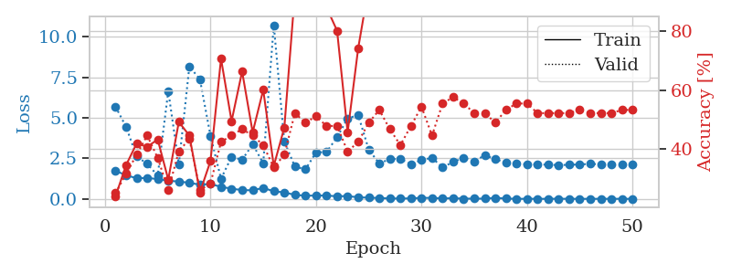
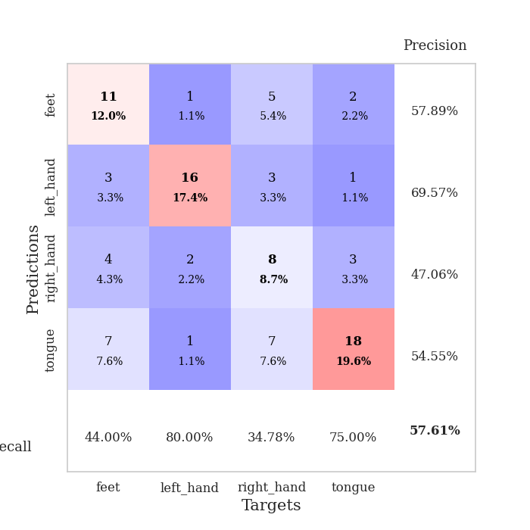
train_loss | valid_loss | train_accuracy | valid_accuracy | dur | train_misclass | valid_misclass
1.7325308893 | 5.69755407 | 0.23913043478 | 0.25 | 1.1485450268 | 23.913043478 | 25
1.466327491 | 4.4526087305 | 0.34510869565 | 0.3152173913 | 1.1483192444 | 34.510869565 | 31.52173913
1.2748667287 | 2.6330418898 | 0.41847826087 | 0.38043478261 | 1.147449255 | 41.847826087 | 38.043478261
1.295155349 | 2.1615529579 | 0.40760869565 | 0.44565217391 | 1.1464173794 | 40.760869565 | 44.565217391
1.2255395392 | 1.4450088377 | 0.43206521739 | 0.36956521739 | 1.1467103958 | 43.206521739 | 36.956521739
1.1156164589 | 6.6577033582 | 0.29619565217 | 0.26086956522 | 1.1491038799 | 29.619565217 | 26.086956522
1.0772925356 | 2.1315967207 | 0.49184782609 | 0.39130434783 | 1.148758173 | 49.184782609 | 39.130434783
0.99241240128 | 8.1784498381 | 0.44565217391 | 0.4347826087 | 1.1490182877 | 44.565217391 | 43.47826087
0.88037191526 | 7.3828573227 | 0.2527173913 | 0.26086956522 | 1.1489286423 | 25.27173913 | 26.086956522
0.91850224137 | 3.8970986864 | 0.35869565217 | 0.28260869565 | 1.1491935253 | 35.869565217 | 28.260869565
0.74624292229 | 1.2423688951 | 0.70652173913 | 0.42391304348 | 1.1497266293 | 70.652173913 | 42.391304348
0.63242333998 | 2.5998070033 | 0.49456521739 | 0.44565217391 | 1.1498250961 | 49.456521739 | 44.565217391
0.54408845565 | 2.4141581266 | 0.66304347826 | 0.46739130435 | 1.1493484974 | 66.304347826 | 46.739130435
0.53183374845 | 3.3729643614 | 0.45652173913 | 0.44565217391 | 1.1504914761 | 45.652173913 | 44.565217391
0.68092204306 | 2.2033491135 | 0.60054347826 | 0.41304347826 | 1.1493601799 | 60.054347826 | 41.304347826
0.46862231908 | 10.727712839 | 0.34239130435 | 0.33695652174 | 1.1487872601 | 34.239130435 | 33.695652174
0.40163526263 | 3.5426301542 | 0.47282608696 | 0.38043478261 | 1.1495449543 | 47.282608696 | 38.043478261
0.25010315847 | 1.9949316875 | 0.92934782609 | 0.52173913043 | 1.1496272087 | 92.934782609 | 52.173913043
0.19817459842 | 1.8216937936 | 0.88043478261 | 0.48913043478 | 1.1511330605 | 88.043478261 | 48.913043478
0.20712321932 | 2.8635266242 | 0.8722826087 | 0.51086956522 | 1.1488273144 | 87.22826087 | 51.086956522
0.20848031796 | 2.895586698 | 0.88043478261 | 0.47826086957 | 1.1491193771 | 88.043478261 | 47.826086957
0.16115483115 | 3.8066187112 | 0.80163043478 | 0.47826086957 | 1.149698019 | 80.163043478 | 47.826086957
0.17813975485 | 4.9688453467 | 0.45652173913 | 0.39130434783 | 1.1491687298 | 45.652173913 | 39.130434783
0.097284030615 | 5.1759927376 | 0.74184782609 | 0.42391304348 | 1.1492853165 | 74.184782609 | 42.391304348
0.080050849012 | 3.0450699848 | 0.95108695652 | 0.48913043478 | 1.1482419968 | 95.108695652 | 48.913043478
0.053672726388 | 2.1819257011 | 0.98913043478 | 0.53260869565 | 1.1487710476 | 98.913043478 | 53.260869565
0.029515767207 | 2.4646560835 | 0.9972826087 | 0.46739130435 | 1.1508991718 | 99.72826087 | 46.739130435
0.026367022281 | 2.4631151842 | 0.96195652174 | 0.41304347826 | 1.148455143 | 96.195652174 | 41.304347826
0.031233157558 | 2.1507880273 | 1 | 0.47826086957 | 1.1499054432 | 100 | 47.826086957
0.06745542435 | 2.3958551365 | 0.95923913043 | 0.54347826087 | 1.1499948502 | 95.923913043 | 54.347826087
0.060768776148 | 2.5371767127 | 0.98913043478 | 0.44565217391 | 1.1506299973 | 98.913043478 | 44.565217391
0.029740169811 | 1.9479564066 | 1 | 0.55434782609 | 1.1501817703 | 100 | 55.434782609
0.044062100508 | 2.2793004616 | 1 | 0.57608695652 | 1.1503841877 | 100 | 57.608695652
0.015580231587 | 2.539552502 | 1 | 0.55434782609 | 1.1495056152 | 100 | 55.434782609
0.018641162633 | 2.3177020446 | 0.9972826087 | 0.52173913043 | 1.1493821144 | 99.72826087 | 52.173913043
0.018710930032 | 2.6989455016 | 0.98913043478 | 0.52173913043 | 1.1499080658 | 98.913043478 | 52.173913043
0.064599907172 | 2.4481661631 | 0.97826086957 | 0.48913043478 | 1.1505770683 | 97.826086957 | 48.913043478
0.023701281368 | 2.238208439 | 1 | 0.53260869565 | 1.1508586407 | 100 | 53.260869565
0.0055649658265 | 2.1674721552 | 1 | 0.55434782609 | 1.149800539 | 100 | 55.434782609
0.0082317650414 | 2.1389466576 | 1 | 0.55434782609 | 1.1497309208 | 100 | 55.434782609
0.006794993467 | 2.1305817314 | 1 | 0.52173913043 | 1.1497116089 | 100 | 52.173913043
0.0054110910151 | 2.1099051807 | 1 | 0.52173913043 | 1.1504676342 | 100 | 52.173913043
0.011142154533 | 2.0879311769 | 1 | 0.52173913043 | 1.1511368752 | 100 | 52.173913043
0.0058507864318 | 2.1054308725 | 1 | 0.52173913043 | 1.1507949829 | 100 | 52.173913043
0.005214986199 | 2.1289269821 | 1 | 0.53260869565 | 1.1512694359 | 100 | 53.260869565
0.0053229999207 | 2.161751291 | 1 | 0.52173913043 | 1.1509182453 | 100 | 52.173913043
0.0064918617338 | 2.1380240399 | 1 | 0.52173913043 | 1.1510531902 | 100 | 52.173913043
0.0062526524264 | 2.1046605732 | 1 | 0.52173913043 | 1.1506848335 | 100 | 52.173913043
0.0075431807377 | 2.1239335848 | 1 | 0.53260869565 | 1.1514999866 | 100 | 53.260869565
0.0026060587565 | 2.1046027308 | 1 | 0.53260869565 | 1.1521890163 | 100 | 53.260869565

Best Val accuracy is 0.5760869565217391 and Best test accuracy is 0.5517241379310345

