Sheet
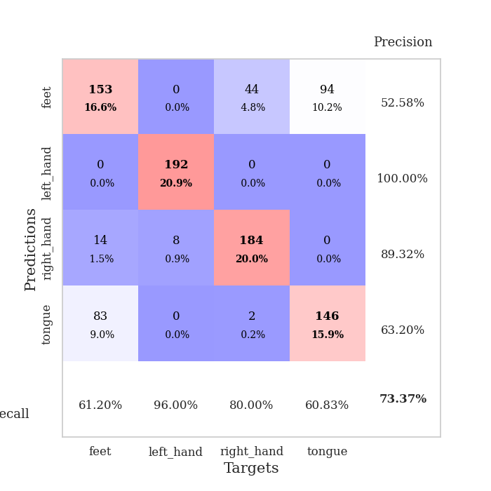
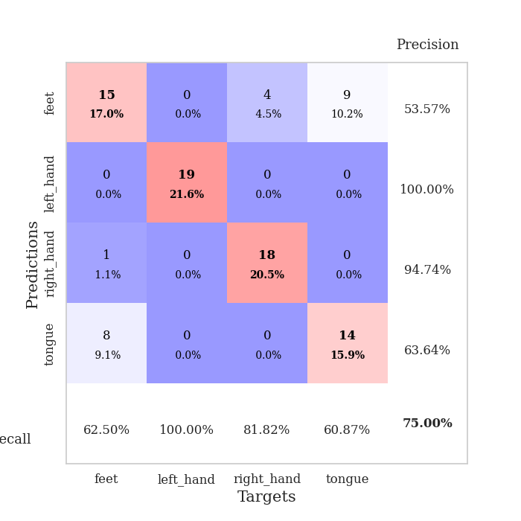
best_val_acc | best_val_los | best_test_acc
0.80434782609 | 0.66081831118 | 0.75
0.92391304348 | 0.22274711858 | 0.85344827586
0.82608695652 | 0.46791266618 | 0.78448275862
0.72826086957 | 1.1255618541 | 0.74137931034
0.82608695652 | 0.38405174665 | 0.80172413793
0.58695652174 | 1.5165510437 | 0.59482758621
0.66304347826 | 1.0156830238 | 0.65517241379
0.6847826087 | 0.62256817973 | 0.72413793103
0.48913043478 | 2.4505944667 | 0.51724137931
0.80434782609 | 0.49315016425 | 0.78448275862

Mean,std Val accuracy is 0.7336956521739131 , 0.12995584372797792 and mean, std test accuracy is 0.7206896551724138 , 0.10282378555539247

Sheet1
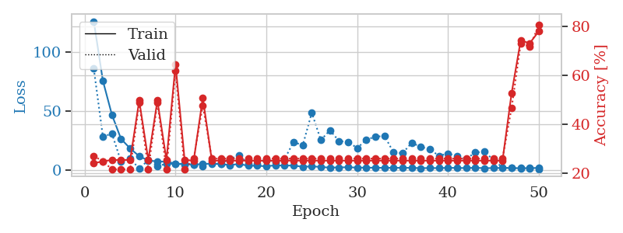
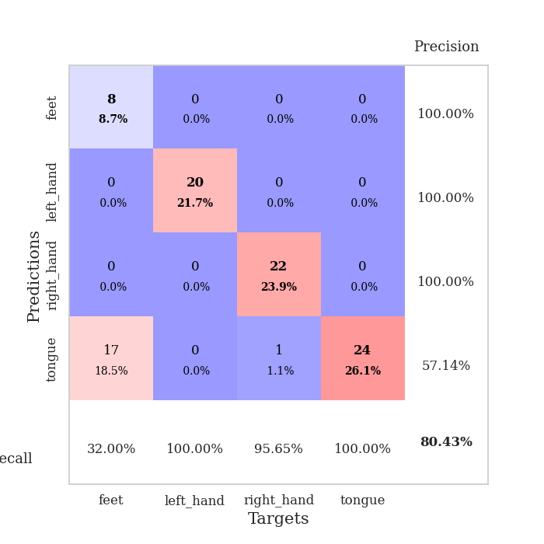
train_loss | valid_loss | train_accuracy | valid_accuracy | dur | train_misclass | valid_misclass
125.88688698 | 85.761859065 | 0.24184782609 | 0.27173913043 | 0.33265447617 | 24.184782609 | 27.173913043
75.568503571 | 28.232183208 | 0.25 | 0.25 | 0.038149118423 | 25 | 25
46.606741714 | 30.677942193 | 0.25543478261 | 0.21739130435 | 0.035076856613 | 25.543478261 | 21.739130435
26.242419338 | 6.9747986172 | 0.25543478261 | 0.21739130435 | 0.035921812057 | 25.543478261 | 21.739130435
18.211054611 | 9.7092092348 | 0.25543478261 | 0.21739130435 | 0.03660607338 | 25.543478261 | 21.739130435
11.610401726 | 1.0351877472 | 0.4972826087 | 0.48913043478 | 0.037017822266 | 49.72826087 | 48.913043478
7.9879172325 | 8.2785757936 | 0.25543478261 | 0.21739130435 | 0.035724639893 | 25.543478261 | 21.739130435
7.1924901962 | 3.1980483117 | 0.4972826087 | 0.48913043478 | 0.035612821579 | 49.72826087 | 48.913043478
6.900025177 | 5.1970892782 | 0.25543478261 | 0.21739130435 | 0.035765647888 | 25.543478261 | 21.739130435
5.3382515907 | 5.2332683439 | 0.64402173913 | 0.61956521739 | 0.035964727402 | 64.402173913 | 61.956521739
4.9894929409 | 4.584793775 | 0.25543478261 | 0.21739130435 | 0.035762786865 | 25.543478261 | 21.739130435
4.4655440331 | 4.3702289643 | 0.2527173913 | 0.26086956522 | 0.03537273407 | 25.27173913 | 26.086956522
5.0042092323 | 3.0250897719 | 0.50815217391 | 0.47826086957 | 0.035581111908 | 50.815217391 | 47.826086957
5.303703022 | 5.6763059782 | 0.2527173913 | 0.26086956522 | 0.035386800766 | 25.27173913 | 26.086956522
4.8215600967 | 5.3051438332 | 0.2527173913 | 0.26086956522 | 0.0363240242 | 25.27173913 | 26.086956522
4.0946844578 | 9.1350743667 | 0.2527173913 | 0.26086956522 | 0.03719830513 | 25.27173913 | 26.086956522
5.0503115177 | 12.579760261 | 0.2527173913 | 0.26086956522 | 0.03662443161 | 25.27173913 | 26.086956522
3.4534649849 | 5.0030159536 | 0.2527173913 | 0.26086956522 | 0.036288261414 | 25.27173913 | 26.086956522
3.5686142445 | 4.9959509476 | 0.2527173913 | 0.26086956522 | 0.035895824432 | 25.27173913 | 26.086956522
3.0302745819 | 8.9062428267 | 0.2527173913 | 0.26086956522 | 0.035693883896 | 25.27173913 | 26.086956522
3.9428231239 | 6.4800141998 | 0.2527173913 | 0.26086956522 | 0.035881996155 | 25.27173913 | 26.086956522
3.5865346909 | 9.0752220568 | 0.2527173913 | 0.26086956522 | 0.037185192108 | 25.27173913 | 26.086956522
3.7720737934 | 23.783361684 | 0.2527173913 | 0.26086956522 | 0.037043094635 | 25.27173913 | 26.086956522
2.5486831903 | 20.710683408 | 0.2527173913 | 0.26086956522 | 0.036038160324 | 25.27173913 | 26.086956522
3.0422101498 | 48.425923057 | 0.2527173913 | 0.26086956522 | 0.036107778549 | 25.27173913 | 26.086956522
2.4520188332 | 25.247923229 | 0.2527173913 | 0.26086956522 | 0.036771297455 | 25.27173913 | 26.086956522
1.9394212723 | 33.608170965 | 0.2527173913 | 0.26086956522 | 0.036682367325 | 25.27173913 | 26.086956522
2.1295173645 | 24.425237987 | 0.2527173913 | 0.26086956522 | 0.036979436874 | 25.27173913 | 26.086956522
2.2511215925 | 23.83366875 | 0.2527173913 | 0.26086956522 | 0.03716802597 | 25.27173913 | 26.086956522
1.9496778488 | 18.434460267 | 0.2527173913 | 0.26086956522 | 0.035989046097 | 25.27173913 | 26.086956522
1.8800267458 | 25.678188904 | 0.2527173913 | 0.26086956522 | 0.035656690598 | 25.27173913 | 26.086956522
1.8671364069 | 28.054264483 | 0.2527173913 | 0.26086956522 | 0.037036180496 | 25.27173913 | 26.086956522
1.7284388781 | 28.836997903 | 0.2527173913 | 0.26086956522 | 0.037038564682 | 25.27173913 | 26.086956522
1.8224941015 | 14.855307206 | 0.2527173913 | 0.26086956522 | 0.038294553757 | 25.27173913 | 26.086956522
1.7007931471 | 14.149674457 | 0.2527173913 | 0.26086956522 | 0.036660671234 | 25.27173913 | 26.086956522
1.7895145893 | 22.971980468 | 0.2527173913 | 0.26086956522 | 0.036686182022 | 25.27173913 | 26.086956522
1.4716621995 | 19.516107393 | 0.2527173913 | 0.26086956522 | 0.035875320435 | 25.27173913 | 26.086956522
1.6073700428 | 17.518674104 | 0.2527173913 | 0.26086956522 | 0.036962747574 | 25.27173913 | 26.086956522
1.5086048841 | 11.878454333 | 0.2527173913 | 0.26086956522 | 0.037022829056 | 25.27173913 | 26.086956522
1.7520520926 | 13.969922066 | 0.2527173913 | 0.26086956522 | 0.036417484283 | 25.27173913 | 26.086956522
1.6753581762 | 11.712077597 | 0.2527173913 | 0.26086956522 | 0.036042690277 | 25.27173913 | 26.086956522
1.5452702999 | 9.340636668 | 0.2527173913 | 0.26086956522 | 0.035937786102 | 25.27173913 | 26.086956522
1.8044601917 | 14.7209692 | 0.2527173913 | 0.26086956522 | 0.035801649094 | 25.27173913 | 26.086956522
1.4707054377 | 15.50340072 | 0.2527173913 | 0.26086956522 | 0.035520553589 | 25.27173913 | 26.086956522
1.5690972567 | 8.4868731913 | 0.2527173913 | 0.26086956522 | 0.035794019699 | 25.27173913 | 26.086956522
1.6968381643 | 1.9619380132 | 0.2527173913 | 0.26086956522 | 0.035889387131 | 25.27173913 | 26.086956522
1.4999839902 | 1.5768815072 | 0.52717391304 | 0.46739130435 | 0.041923522949 | 52.717391304 | 46.739130435
1.4945245504 | 1.1073582069 | 0.74184782609 | 0.72826086957 | 0.040498256683 | 74.184782609 | 72.826086957
1.4975247383 | 1.0284399805 | 0.73097826087 | 0.71739130435 | 0.038429021835 | 73.097826087 | 71.739130435
1.6993011236 | 0.66081831118 | 0.77989130435 | 0.80434782609 | 0.038352489471 | 77.989130435 | 80.434782609

Best Val accuracy is 0.8043478260869565 and Best test accuracy is 0.75

Sheet2
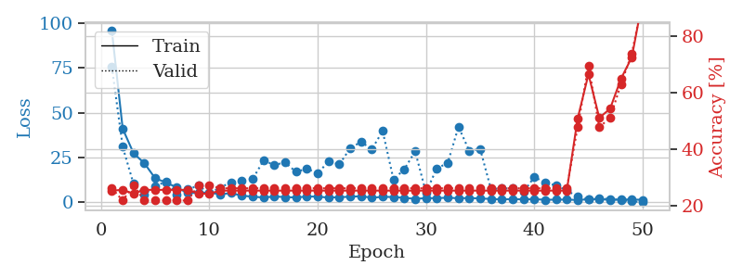
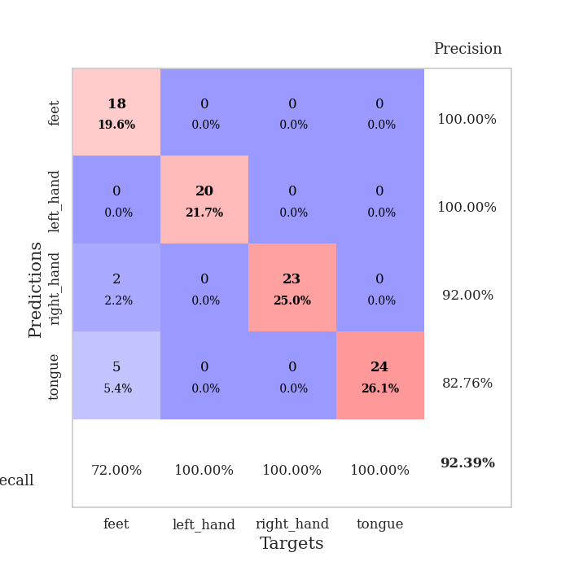
train_loss | valid_loss | train_accuracy | valid_accuracy | dur | train_misclass | valid_misclass
95.66610527 | 75.613159511 | 0.2527173913 | 0.26086956522 | 0.038409948349 | 25.27173913 | 26.086956522
41.096308327 | 30.97141382 | 0.25543478261 | 0.21739130435 | 0.036181688309 | 25.543478261 | 21.739130435
27.430588913 | 10.342898162 | 0.24184782609 | 0.27173913043 | 0.036045312881 | 24.184782609 | 27.173913043
21.857941437 | 4.5086858376 | 0.25543478261 | 0.21739130435 | 0.036471605301 | 25.543478261 | 21.739130435
13.448752117 | 8.8391335114 | 0.25543478261 | 0.21739130435 | 0.039622068405 | 25.543478261 | 21.739130435
11.113725185 | 11.750771605 | 0.25543478261 | 0.21739130435 | 0.036273002625 | 25.543478261 | 21.739130435
8.3343506813 | 4.2171345172 | 0.25543478261 | 0.21739130435 | 0.037413597107 | 25.543478261 | 21.739130435
5.2227190495 | 7.3445592756 | 0.25543478261 | 0.21739130435 | 0.040140628815 | 25.543478261 | 21.739130435
5.3794915199 | 9.3106467206 | 0.24184782609 | 0.27173913043 | 0.037125110626 | 24.184782609 | 27.173913043
5.5658215523 | 5.2252452477 | 0.24184782609 | 0.27173913043 | 0.036937236786 | 24.184782609 | 27.173913043
4.4812214375 | 8.1855525556 | 0.2527173913 | 0.26086956522 | 0.036823987961 | 25.27173913 | 26.086956522
5.2313670635 | 11.330083432 | 0.2527173913 | 0.26086956522 | 0.03652381897 | 25.27173913 | 26.086956522
3.7570802689 | 12.011791851 | 0.2527173913 | 0.26086956522 | 0.037118911743 | 25.27173913 | 26.086956522
3.2077125549 | 13.132975288 | 0.2527173913 | 0.26086956522 | 0.036995172501 | 25.27173913 | 26.086956522
2.7521797895 | 23.307254874 | 0.2527173913 | 0.26086956522 | 0.036731004715 | 25.27173913 | 26.086956522
3.2999456406 | 20.967185808 | 0.2527173913 | 0.26086956522 | 0.036416769028 | 25.27173913 | 26.086956522
2.9996197462 | 22.24655168 | 0.2527173913 | 0.26086956522 | 0.036617279053 | 25.27173913 | 26.086956522
2.7394203186 | 17.036704437 | 0.2527173913 | 0.26086956522 | 0.039528846741 | 25.27173913 | 26.086956522
3.3049575329 | 18.768787384 | 0.2527173913 | 0.26086956522 | 0.036851882935 | 25.27173913 | 26.086956522
3.2506475925 | 16.306266204 | 0.2527173913 | 0.26086956522 | 0.037244081497 | 25.27173913 | 26.086956522
2.6826411247 | 22.738301982 | 0.2527173913 | 0.26086956522 | 0.036310434341 | 25.27173913 | 26.086956522
2.9465223789 | 21.189625118 | 0.2527173913 | 0.26086956522 | 0.036575317383 | 25.27173913 | 26.086956522
3.1602337837 | 30.186214364 | 0.2527173913 | 0.26086956522 | 0.036678552628 | 25.27173913 | 26.086956522
3.478463006 | 33.778284819 | 0.2527173913 | 0.26086956522 | 0.036529779434 | 25.27173913 | 26.086956522
2.6361646891 | 29.6920613 | 0.2527173913 | 0.26086956522 | 0.036998987198 | 25.27173913 | 26.086956522
3.0889549732 | 39.788907258 | 0.2527173913 | 0.26086956522 | 0.037394285202 | 25.27173913 | 26.086956522
3.0396058798 | 12.780565801 | 0.2527173913 | 0.26086956522 | 0.037709474564 | 25.27173913 | 26.086956522
2.5474862099 | 18.522605398 | 0.2527173913 | 0.26086956522 | 0.037378787994 | 25.27173913 | 26.086956522
2.036272788 | 28.447636646 | 0.2527173913 | 0.26086956522 | 0.037747621536 | 25.27173913 | 26.086956522
2.3771608353 | 5.5314271346 | 0.2527173913 | 0.26086956522 | 0.036827325821 | 25.27173913 | 26.086956522
2.3887794971 | 19.073859754 | 0.2527173913 | 0.26086956522 | 0.038161039352 | 25.27173913 | 26.086956522
2.6498602152 | 21.859046356 | 0.2527173913 | 0.26086956522 | 0.03747677803 | 25.27173913 | 26.086956522
2.3274529696 | 42.149208235 | 0.2527173913 | 0.26086956522 | 0.036816358566 | 25.27173913 | 26.086956522
2.470695138 | 28.719058493 | 0.2527173913 | 0.26086956522 | 0.037832260132 | 25.27173913 | 26.086956522
2.2264662266 | 29.794611309 | 0.2527173913 | 0.26086956522 | 0.037288188934 | 25.27173913 | 26.086956522
1.9282659054 | 7.396281429 | 0.2527173913 | 0.26086956522 | 0.036981105804 | 25.27173913 | 26.086956522
1.6623052359 | 7.9133557859 | 0.2527173913 | 0.26086956522 | 0.036961555481 | 25.27173913 | 26.086956522
1.8741307974 | 7.7226028028 | 0.2527173913 | 0.26086956522 | 0.037828683853 | 25.27173913 | 26.086956522
1.6852612019 | 5.7769814989 | 0.2527173913 | 0.26086956522 | 0.037420034409 | 25.27173913 | 26.086956522
1.8541282415 | 14.182082923 | 0.2527173913 | 0.26086956522 | 0.039947271347 | 25.27173913 | 26.086956522
1.4738215446 | 11.008810873 | 0.2527173913 | 0.26086956522 | 0.037662506104 | 25.27173913 | 26.086956522
1.5592425823 | 9.537190769 | 0.2527173913 | 0.26086956522 | 0.037687301636 | 25.27173913 | 26.086956522
1.5683970451 | 6.6899503625 | 0.2527173913 | 0.26086956522 | 0.037960767746 | 25.27173913 | 26.086956522
1.374408865 | 3.0792135985 | 0.50815217391 | 0.47826086957 | 0.037611484528 | 50.815217391 | 47.826086957
1.7795805931 | 1.933210715 | 0.66576086957 | 0.69565217391 | 0.037457704544 | 66.576086957 | 69.565217391
1.8328994513 | 2.233222184 | 0.51086956522 | 0.47826086957 | 0.036777973175 | 51.086956522 | 47.826086957
1.4537791491 | 1.8434439016 | 0.54347826087 | 0.51086956522 | 0.03714299202 | 54.347826087 | 51.086956522
1.6700504303 | 1.3894996539 | 0.64945652174 | 0.63043478261 | 0.037616729736 | 64.945652174 | 63.043478261
1.6100683928 | 0.5493590158 | 0.72554347826 | 0.73913043478 | 0.036497116089 | 72.554347826 | 73.913043478
1.4761818647 | 0.22274711858 | 0.92934782609 | 0.92391304348 | 0.036611795425 | 92.934782609 | 92.391304348

Best Val accuracy is 0.9239130434782609 and Best test accuracy is 0.853448275862069

Sheet3
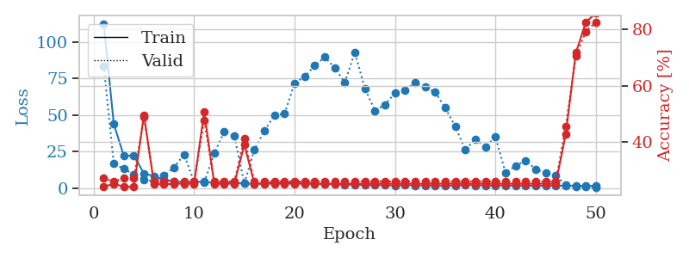
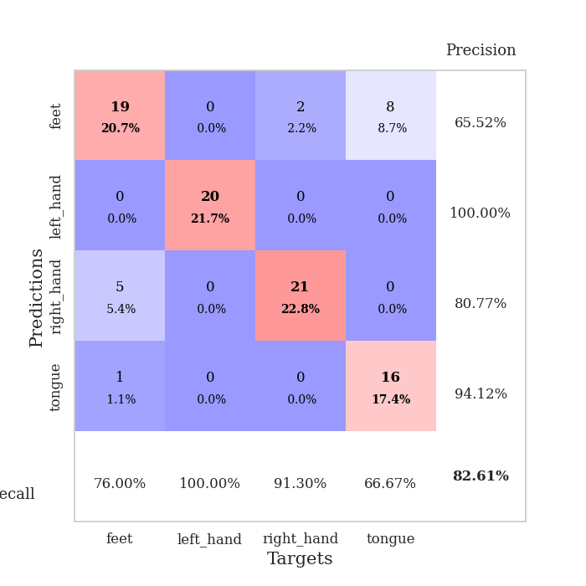
train_loss | valid_loss | train_accuracy | valid_accuracy | dur | train_misclass | valid_misclass
112.62816696 | 83.584277941 | 0.24184782609 | 0.27173913043 | 0.038775920868 | 24.184782609 | 27.173913043
43.879257202 | 16.593676691 | 0.2527173913 | 0.26086956522 | 0.037266016006 | 25.27173913 | 26.086956522
21.930698776 | 13.276746004 | 0.24184782609 | 0.27173913043 | 0.036881685257 | 24.184782609 | 27.173913043
22.227246475 | 9.1129113488 | 0.24184782609 | 0.27173913043 | 0.038321495056 | 24.184782609 | 27.173913043
9.9186191559 | 5.6554665565 | 0.4972826087 | 0.48913043478 | 0.038264513016 | 49.72826087 | 48.913043478
8.0857753754 | 4.6354995603 | 0.2527173913 | 0.26086956522 | 0.037459850311 | 25.27173913 | 26.086956522
5.6772445679 | 8.3278205706 | 0.25 | 0.26086956522 | 0.041256904602 | 25 | 26.086956522
4.6850245476 | 14.028903837 | 0.2527173913 | 0.26086956522 | 0.040520191193 | 25.27173913 | 26.086956522
3.8391566277 | 22.952969758 | 0.2527173913 | 0.26086956522 | 0.038286924362 | 25.27173913 | 26.086956522
4.2831669807 | 3.9340572564 | 0.2527173913 | 0.26086956522 | 0.038987398148 | 25.27173913 | 26.086956522
4.1528076649 | 3.65667849 | 0.50815217391 | 0.47826086957 | 0.037825584412 | 50.815217391 | 47.826086957
3.4266537666 | 23.698188035 | 0.2527173913 | 0.26086956522 | 0.037070989609 | 25.27173913 | 26.086956522
3.3446832657 | 38.635738207 | 0.2527173913 | 0.26086956522 | 0.038689374924 | 25.27173913 | 26.086956522
3.5275523186 | 35.620626864 | 0.2527173913 | 0.26086956522 | 0.038547277451 | 25.27173913 | 26.086956522
2.9876066446 | 3.131453908 | 0.39130434783 | 0.41304347826 | 0.038646936417 | 39.130434783 | 41.304347826
2.726012826 | 26.304836771 | 0.2527173913 | 0.26086956522 | 0.040892124176 | 25.27173913 | 26.086956522
3.142865181 | 39.063688029 | 0.2527173913 | 0.26086956522 | 0.041523218155 | 25.27173913 | 26.086956522
4.0479794502 | 49.998356031 | 0.2527173913 | 0.26086956522 | 0.03798866272 | 25.27173913 | 26.086956522
4.0085638046 | 50.729887092 | 0.2527173913 | 0.26086956522 | 0.037031412125 | 25.27173913 | 26.086956522
3.6063876629 | 71.902374599 | 0.2527173913 | 0.26086956522 | 0.042313814163 | 25.27173913 | 26.086956522
3.2388942242 | 76.296001932 | 0.2527173913 | 0.26086956522 | 0.041148900986 | 25.27173913 | 26.086956522
2.7132267952 | 83.756340027 | 0.2527173913 | 0.26086956522 | 0.038621902466 | 25.27173913 | 26.086956522
2.8156714916 | 89.731411146 | 0.2527173913 | 0.26086956522 | 0.039373397827 | 25.27173913 | 26.086956522
2.6389191866 | 82.368218795 | 0.2527173913 | 0.26086956522 | 0.038376331329 | 25.27173913 | 26.086956522
2.3517691374 | 72.26568703 | 0.2527173913 | 0.26086956522 | 0.039349317551 | 25.27173913 | 26.086956522
2.1217035055 | 92.956797724 | 0.2527173913 | 0.26086956522 | 0.038208961487 | 25.27173913 | 26.086956522
1.9422971725 | 68.102193749 | 0.2527173913 | 0.26086956522 | 0.039344787598 | 25.27173913 | 26.086956522
1.8298870802 | 53.016532235 | 0.2527173913 | 0.26086956522 | 0.038489341736 | 25.27173913 | 26.086956522
1.8616567135 | 57.109626604 | 0.2527173913 | 0.26086956522 | 0.038681745529 | 25.27173913 | 26.086956522
1.5388700128 | 65.074741861 | 0.2527173913 | 0.26086956522 | 0.040509939194 | 25.27173913 | 26.086956522
1.9077251673 | 66.972910342 | 0.2527173913 | 0.26086956522 | 0.037541627884 | 25.27173913 | 26.086956522
1.6269530773 | 72.140132406 | 0.2527173913 | 0.26086956522 | 0.038644313812 | 25.27173913 | 26.086956522
1.6861553669 | 69.198362268 | 0.2527173913 | 0.26086956522 | 0.038298130035 | 25.27173913 | 26.086956522
1.4952889681 | 65.648296522 | 0.2527173913 | 0.26086956522 | 0.038812160492 | 25.27173913 | 26.086956522
1.4001263857 | 54.877281023 | 0.2527173913 | 0.26086956522 | 0.038771152496 | 25.27173913 | 26.086956522
1.6060751915 | 42.055506333 | 0.2527173913 | 0.26086956522 | 0.038110256195 | 25.27173913 | 26.086956522
1.9081285 | 26.027216538 | 0.2527173913 | 0.26086956522 | 0.037926912308 | 25.27173913 | 26.086956522
1.7647437096 | 33.62446362 | 0.2527173913 | 0.26086956522 | 0.037631750107 | 25.27173913 | 26.086956522
1.5589311838 | 28.185684453 | 0.2527173913 | 0.26086956522 | 0.03758764267 | 25.27173913 | 26.086956522
1.5860170603 | 35.049930241 | 0.2527173913 | 0.26086956522 | 0.038595676422 | 25.27173913 | 26.086956522
1.6269053578 | 10.363608568 | 0.2527173913 | 0.26086956522 | 0.038331985474 | 25.27173913 | 26.086956522
1.5056493759 | 15.100806775 | 0.2527173913 | 0.26086956522 | 0.038281679153 | 25.27173913 | 26.086956522
1.6192200422 | 18.859683244 | 0.2527173913 | 0.26086956522 | 0.037527084351 | 25.27173913 | 26.086956522
1.4019891024 | 12.788426316 | 0.2527173913 | 0.26086956522 | 0.039925098419 | 25.27173913 | 26.086956522
1.4759609461 | 10.061627139 | 0.2527173913 | 0.26086956522 | 0.040511369705 | 25.27173913 | 26.086956522
1.6067212105 | 8.5831854862 | 0.2527173913 | 0.26086956522 | 0.038507938385 | 25.27173913 | 26.086956522
1.4280945778 | 2.0605915629 | 0.42934782609 | 0.45652173913 | 0.037549495697 | 42.934782609 | 45.652173913
1.647811985 | 0.99564068732 | 0.71739130435 | 0.70652173913 | 0.038379430771 | 71.739130435 | 70.652173913
1.3510989189 | 0.62857318702 | 0.82608695652 | 0.79347826087 | 0.039368152618 | 82.608695652 | 79.347826087
1.502903223 | 0.46791266618 | 0.85869565217 | 0.82608695652 | 0.039872169495 | 85.869565217 | 82.608695652

Best Val accuracy is 0.8260869565217391 and Best test accuracy is 0.7844827586206896

Sheet4
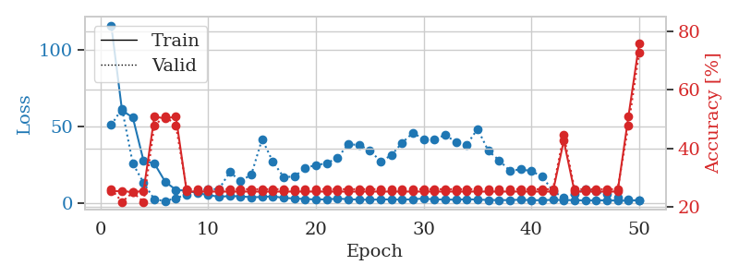
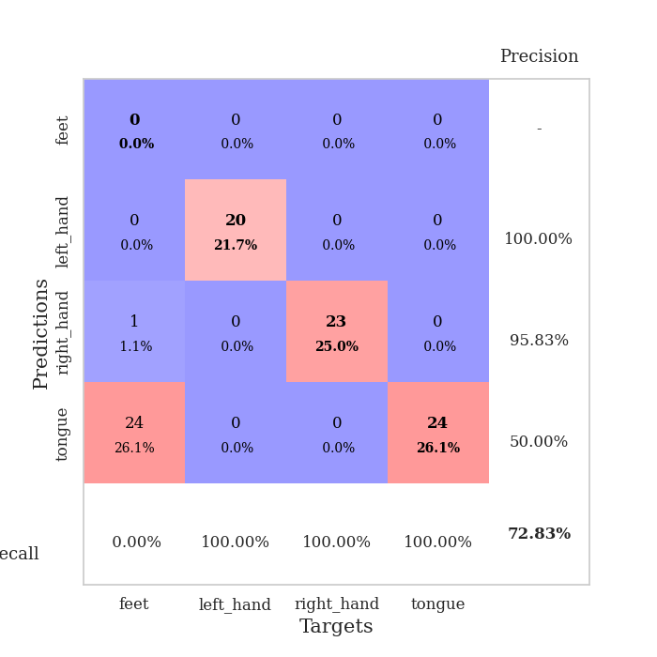
train_loss | valid_loss | train_accuracy | valid_accuracy | dur | train_misclass | valid_misclass
116.2307579 | 51.019820669 | 0.2527173913 | 0.26086956522 | 0.041590690613 | 25.27173913 | 26.086956522
60.447078705 | 61.659202244 | 0.25543478261 | 0.21739130435 | 0.041082382202 | 25.543478261 | 21.739130435
55.910684967 | 25.690482264 | 0.25 | 0.25 | 0.041983366013 | 25 | 25
27.416176796 | 13.065058086 | 0.25543478261 | 0.21739130435 | 0.039186000824 | 25.543478261 | 21.739130435
25.768163681 | 2.2301433708 | 0.50815217391 | 0.47826086957 | 0.038913965225 | 50.815217391 | 47.826086957
13.845140648 | 1.1255618541 | 0.5027173913 | 0.51086956522 | 0.03835940361 | 50.27173913 | 51.086956522
8.4653269768 | 3.0186284418 | 0.50815217391 | 0.47826086957 | 0.038620948792 | 50.815217391 | 47.826086957
7.8843247414 | 5.3647102688 | 0.2527173913 | 0.26086956522 | 0.038470983505 | 25.27173913 | 26.086956522
6.415766716 | 7.8866652198 | 0.2527173913 | 0.26086956522 | 0.038444519043 | 25.27173913 | 26.086956522
5.0302704334 | 8.9710964949 | 0.2527173913 | 0.26086956522 | 0.040660381317 | 25.27173913 | 26.086956522
3.956521225 | 8.9667395301 | 0.2527173913 | 0.26086956522 | 0.039597988129 | 25.27173913 | 26.086956522
4.3894928932 | 20.145900063 | 0.2527173913 | 0.26086956522 | 0.039946317673 | 25.27173913 | 26.086956522
4.2231129646 | 14.203273483 | 0.2527173913 | 0.26086956522 | 0.039627790451 | 25.27173913 | 26.086956522
3.6255802155 | 18.417118073 | 0.2527173913 | 0.26086956522 | 0.039659023285 | 25.27173913 | 26.086956522
3.8037957668 | 41.701307048 | 0.2527173913 | 0.26086956522 | 0.039682865143 | 25.27173913 | 26.086956522
4.2511798859 | 26.83700321 | 0.2527173913 | 0.26086956522 | 0.039978504181 | 25.27173913 | 26.086956522
3.1754731655 | 16.889477274 | 0.2527173913 | 0.26086956522 | 0.038760900497 | 25.27173913 | 26.086956522
2.8399954081 | 17.119351511 | 0.2527173913 | 0.26086956522 | 0.039469480515 | 25.27173913 | 26.086956522
2.4500473022 | 22.859670307 | 0.2527173913 | 0.26086956522 | 0.038081884384 | 25.27173913 | 26.086956522
2.1600194454 | 24.644752917 | 0.2527173913 | 0.26086956522 | 0.038685321808 | 25.27173913 | 26.086956522
2.2187265158 | 25.911333333 | 0.2527173913 | 0.26086956522 | 0.036910772324 | 25.27173913 | 26.086956522
2.7226308823 | 29.35545233 | 0.2527173913 | 0.26086956522 | 0.038939237595 | 25.27173913 | 26.086956522
2.3451781988 | 38.476456518 | 0.2527173913 | 0.26086956522 | 0.037779092789 | 25.27173913 | 26.086956522
2.0612315178 | 37.77939473 | 0.2527173913 | 0.26086956522 | 0.038085699081 | 25.27173913 | 26.086956522
2.0019340992 | 34.503782024 | 0.2527173913 | 0.26086956522 | 0.038346290588 | 25.27173913 | 26.086956522
2.1603845358 | 26.99993034 | 0.2527173913 | 0.26086956522 | 0.037935972214 | 25.27173913 | 26.086956522
2.2006676197 | 31.14870229 | 0.2527173913 | 0.26086956522 | 0.038083791733 | 25.27173913 | 26.086956522
2.0290530443 | 39.377496802 | 0.2527173913 | 0.26086956522 | 0.038465261459 | 25.27173913 | 26.086956522
2.2994885445 | 45.767702849 | 0.2527173913 | 0.26086956522 | 0.039946079254 | 25.27173913 | 26.086956522
2.7925403357 | 41.718031344 | 0.2527173913 | 0.26086956522 | 0.036526918411 | 25.27173913 | 26.086956522
2.1641411781 | 41.725489575 | 0.2527173913 | 0.26086956522 | 0.037006616592 | 25.27173913 | 26.086956522
2.1704279661 | 44.384347169 | 0.2527173913 | 0.26086956522 | 0.0367436409 | 25.27173913 | 26.086956522
1.9634971976 | 39.774002407 | 0.2527173913 | 0.26086956522 | 0.036995410919 | 25.27173913 | 26.086956522
2.3217740536 | 38.117344566 | 0.2527173913 | 0.26086956522 | 0.037430047989 | 25.27173913 | 26.086956522
2.0556654692 | 48.375068167 | 0.2527173913 | 0.26086956522 | 0.038102865219 | 25.27173913 | 26.086956522
1.8556539655 | 34.057509547 | 0.2527173913 | 0.26086956522 | 0.037639379501 | 25.27173913 | 26.086956522
1.7235864639 | 27.829015483 | 0.2527173913 | 0.26086956522 | 0.037064790726 | 25.27173913 | 26.086956522
1.7865559578 | 20.973609758 | 0.2527173913 | 0.26086956522 | 0.038610458374 | 25.27173913 | 26.086956522
2.0062516928 | 21.871474971 | 0.2527173913 | 0.26086956522 | 0.037577390671 | 25.27173913 | 26.086956522
1.6904122353 | 20.825294992 | 0.2527173913 | 0.26086956522 | 0.038039922714 | 25.27173913 | 26.086956522
1.6900277615 | 17.051592537 | 0.2527173913 | 0.26086956522 | 0.038017988205 | 25.27173913 | 26.086956522
1.9294041395 | 7.6778384292 | 0.2527173913 | 0.26086956522 | 0.036750793457 | 25.27173913 | 26.086956522
1.7861818075 | 3.2055407711 | 0.42663043478 | 0.44565217391 | 0.03652048111 | 42.663043478 | 44.565217391
1.7170115471 | 5.6425019762 | 0.2527173913 | 0.26086956522 | 0.0372402668 | 25.27173913 | 26.086956522
1.489672637 | 8.8305647062 | 0.2527173913 | 0.26086956522 | 0.036421537399 | 25.27173913 | 26.086956522
1.6158382773 | 7.4765357764 | 0.2527173913 | 0.26086956522 | 0.03651881218 | 25.27173913 | 26.086956522
1.5430293322 | 5.6406326709 | 0.2527173913 | 0.26086956522 | 0.0365421772 | 25.27173913 | 26.086956522
1.4568873405 | 3.56892876 | 0.2527173913 | 0.26086956522 | 0.036595106125 | 25.27173913 | 26.086956522
1.3672040224 | 2.2137302316 | 0.50815217391 | 0.47826086957 | 0.03642821312 | 50.815217391 | 47.826086957
1.7201482773 | 1.3371730162 | 0.75815217391 | 0.72826086957 | 0.037061691284 | 75.815217391 | 72.826086957

Best Val accuracy is 0.7282608695652174 and Best test accuracy is 0.7413793103448276

Sheet5
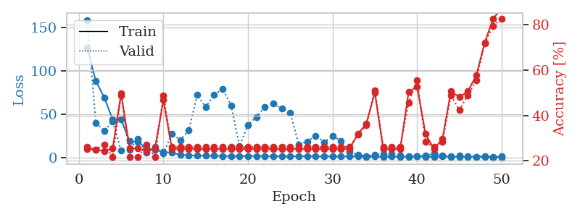
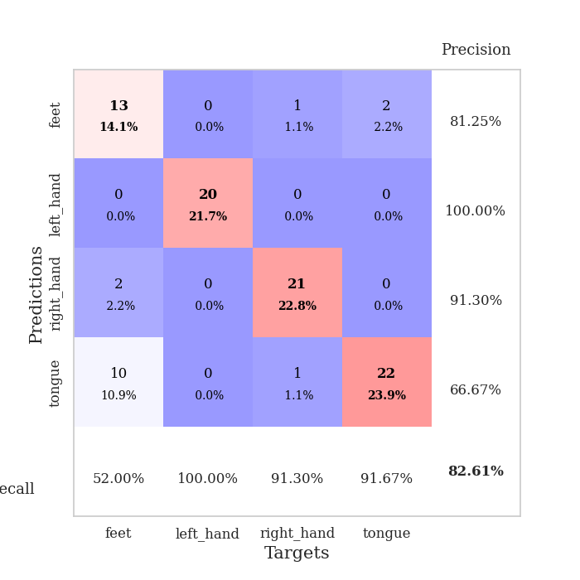
train_loss | valid_loss | train_accuracy | valid_accuracy | dur | train_misclass | valid_misclass
126.65763741 | 159.00369793 | 0.2527173913 | 0.26086956522 | 0.040754795074 | 25.27173913 | 26.086956522
88.629286194 | 40.521382042 | 0.25 | 0.25 | 0.037027597427 | 25 | 25
69.684248352 | 31.135953157 | 0.24184782609 | 0.27173913043 | 0.036588668823 | 24.184782609 | 27.173913043
44.144817352 | 41.701949576 | 0.25543478261 | 0.21739130435 | 0.035632133484 | 25.543478261 | 21.739130435
44.051927948 | 8.1636214464 | 0.4972826087 | 0.48913043478 | 0.035566806793 | 49.72826087 | 48.913043478
18.955058384 | 9.638361765 | 0.25543478261 | 0.21739130435 | 0.036193847656 | 25.543478261 | 21.739130435
18.305342674 | 21.665281379 | 0.25543478261 | 0.21739130435 | 0.035343647003 | 25.543478261 | 21.739130435
10.981593609 | 5.9825943864 | 0.24184782609 | 0.27173913043 | 0.036456823349 | 24.184782609 | 27.173913043
9.1060035706 | 12.515437707 | 0.25543478261 | 0.21739130435 | 0.035846710205 | 25.543478261 | 21.739130435
7.0676241875 | 5.1184658797 | 0.46739130435 | 0.48913043478 | 0.03596663475 | 46.739130435 | 48.913043478
5.744679451 | 27.84622068 | 0.2527173913 | 0.26086956522 | 0.035450220108 | 25.27173913 | 26.086956522
3.6145478725 | 20.545686224 | 0.2527173913 | 0.26086956522 | 0.035752296448 | 25.27173913 | 26.086956522
2.7632385254 | 31.65117156 | 0.2527173913 | 0.26086956522 | 0.035415172577 | 25.27173913 | 26.086956522
2.6983260155 | 72.397470889 | 0.2527173913 | 0.26086956522 | 0.035126686096 | 25.27173913 | 26.086956522
2.4703920126 | 58.553340746 | 0.2527173913 | 0.26086956522 | 0.03533411026 | 25.27173913 | 26.086956522
2.4559055567 | 72.575618246 | 0.2527173913 | 0.26086956522 | 0.036859989166 | 25.27173913 | 26.086956522
1.931628871 | 79.69702447 | 0.2527173913 | 0.26086956522 | 0.035286903381 | 25.27173913 | 26.086956522
2.1996248007 | 60.529562743 | 0.2527173913 | 0.26086956522 | 0.03524017334 | 25.27173913 | 26.086956522
1.9434760571 | 13.393060187 | 0.2527173913 | 0.26086956522 | 0.036503553391 | 25.27173913 | 26.086956522
2.1872426033 | 37.944473598 | 0.2527173913 | 0.26086956522 | 0.037087917328 | 25.27173913 | 26.086956522
2.0440110683 | 47.272649682 | 0.2527173913 | 0.26086956522 | 0.035023450851 | 25.27173913 | 26.086956522
2.0143423796 | 58.584109928 | 0.2527173913 | 0.26086956522 | 0.035618782043 | 25.27173913 | 26.086956522
1.9079444408 | 62.617668318 | 0.2527173913 | 0.26086956522 | 0.035531282425 | 25.27173913 | 26.086956522
1.8484285593 | 56.698284481 | 0.2527173913 | 0.26086956522 | 0.036735296249 | 25.27173913 | 26.086956522
1.7844019651 | 51.7081128 | 0.2527173913 | 0.26086956522 | 0.036043643951 | 25.27173913 | 26.086956522
1.8507673025 | 15.562653127 | 0.2527173913 | 0.26086956522 | 0.035825967789 | 25.27173913 | 26.086956522
1.9156602383 | 18.672854714 | 0.2527173913 | 0.26086956522 | 0.03555226326 | 25.27173913 | 26.086956522
1.8841849804 | 25.505412641 | 0.2527173913 | 0.26086956522 | 0.036071538925 | 25.27173913 | 26.086956522
1.7510107994 | 18.086438801 | 0.2527173913 | 0.26086956522 | 0.036317110062 | 25.27173913 | 26.086956522
1.7417292595 | 25.119056453 | 0.2527173913 | 0.26086956522 | 0.035609722137 | 25.27173913 | 26.086956522
1.5497742653 | 19.736571188 | 0.2527173913 | 0.26086956522 | 0.035859107971 | 25.27173913 | 26.086956522
1.7894653797 | 6.8579859526 | 0.2527173913 | 0.26086956522 | 0.037283658981 | 25.27173913 | 26.086956522
1.7159273386 | 3.2332904028 | 0.31793478261 | 0.3152173913 | 0.03573012352 | 31.793478261 | 31.52173913
1.3312015891 | 2.1773769026 | 0.36413043478 | 0.35869565217 | 0.035311460495 | 36.413043478 | 35.869565217
1.4191218019 | 3.2319772036 | 0.5 | 0.51086956522 | 0.035217046738 | 50 | 51.086956522
1.3960007906 | 4.3377748158 | 0.2527173913 | 0.26086956522 | 0.036508321762 | 25.27173913 | 26.086956522
1.5322127104 | 4.3112439902 | 0.2527173913 | 0.26086956522 | 0.035822868347 | 25.27173913 | 26.086956522
1.3376872063 | 2.8997447698 | 0.2527173913 | 0.26086956522 | 0.035173416138 | 25.27173913 | 26.086956522
1.3454404235 | 1.479252639 | 0.5027173913 | 0.45652173913 | 0.035956144333 | 50.27173913 | 45.652173913
1.6330319166 | 1.6943966306 | 0.52717391304 | 0.55434782609 | 0.03528380394 | 52.717391304 | 55.434782609
1.2582180262 | 2.3159599201 | 0.31793478261 | 0.28260869565 | 0.036040782928 | 31.793478261 | 28.260869565
1.3970246553 | 5.0159151243 | 0.2527173913 | 0.26086956522 | 0.037742376328 | 25.27173913 | 26.086956522
1.4978574038 | 2.9590551646 | 0.29619565217 | 0.28260869565 | 0.035336732864 | 29.619565217 | 28.260869565
1.2489430189 | 1.8605737272 | 0.50543478261 | 0.48913043478 | 0.035167217255 | 50.543478261 | 48.913043478
1.3850825548 | 2.6146619735 | 0.48097826087 | 0.42391304348 | 0.035012722015 | 48.097826087 | 42.391304348
1.3134804249 | 1.7861091209 | 0.50543478261 | 0.48913043478 | 0.035323619843 | 50.543478261 | 48.913043478
1.3506315947 | 1.2116587421 | 0.57608695652 | 0.55434782609 | 0.035135030746 | 57.608695652 | 55.434782609
1.678836441 | 0.81112183436 | 0.72010869565 | 0.71739130435 | 0.035081148148 | 72.010869565 | 71.739130435
1.2133479595 | 0.52971575442 | 0.82608695652 | 0.79347826087 | 0.036379337311 | 82.608695652 | 79.347826087
1.4499828935 | 0.38405174665 | 0.86956521739 | 0.82608695652 | 0.035480737686 | 86.956521739 | 82.608695652

Best Val accuracy is 0.8260869565217391 and Best test accuracy is 0.8017241379310345

Sheet6
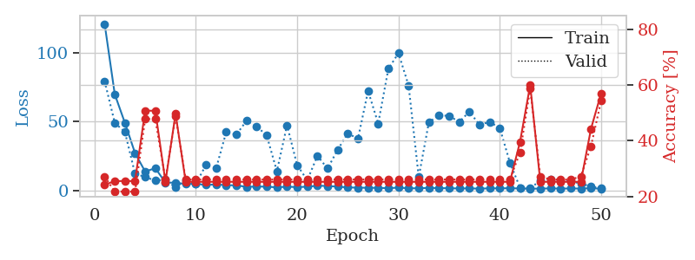
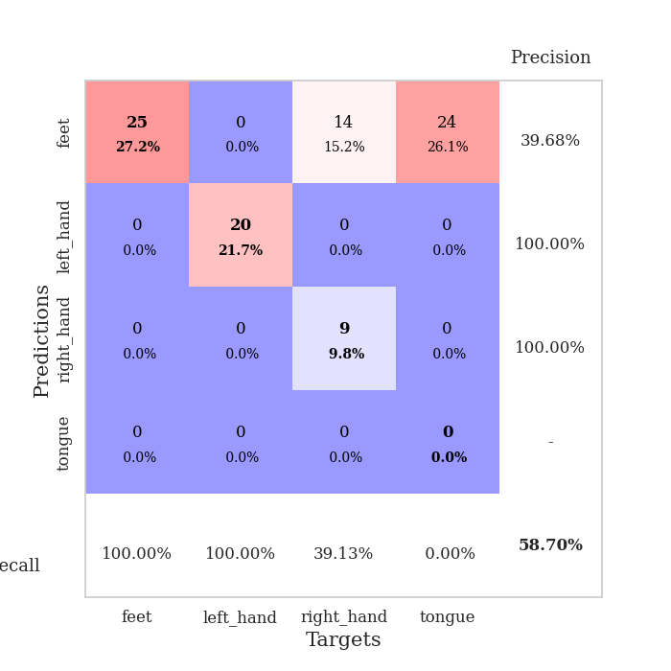
train_loss | valid_loss | train_accuracy | valid_accuracy | dur | train_misclass | valid_misclass
121.15299492 | 79.561174807 | 0.24184782609 | 0.27173913043 | 0.039143323898 | 24.184782609 | 27.173913043
69.937023926 | 49.116034466 | 0.25543478261 | 0.21739130435 | 0.038026809692 | 25.543478261 | 21.739130435
49.143559265 | 42.586489636 | 0.25543478261 | 0.21739130435 | 0.037965774536 | 25.543478261 | 21.739130435
27.180411148 | 12.163551123 | 0.25543478261 | 0.21739130435 | 0.037883520126 | 25.543478261 | 21.739130435
13.731714725 | 9.8626150048 | 0.50815217391 | 0.47826086957 | 0.036801338196 | 50.815217391 | 47.826086957
16.227183342 | 7.158148579 | 0.50815217391 | 0.47826086957 | 0.036013364792 | 50.815217391 | 47.826086957
5.7377176285 | 7.7542494069 | 0.2527173913 | 0.26086956522 | 0.03576374054 | 25.27173913 | 26.086956522
5.6506768703 | 2.0691030129 | 0.4972826087 | 0.48913043478 | 0.036180734634 | 49.72826087 | 48.913043478
4.6795120239 | 7.6952169045 | 0.2527173913 | 0.26086956522 | 0.036201953888 | 25.27173913 | 26.086956522
4.8944692612 | 4.8446652164 | 0.2527173913 | 0.26086956522 | 0.035748958588 | 25.27173913 | 26.086956522
3.9691796303 | 18.507737533 | 0.2527173913 | 0.26086956522 | 0.035859823227 | 25.27173913 | 26.086956522
4.4373822689 | 15.971537797 | 0.2527173913 | 0.26086956522 | 0.035749673843 | 25.27173913 | 26.086956522
3.8524603844 | 42.512089439 | 0.2527173913 | 0.26086956522 | 0.035750627518 | 25.27173913 | 26.086956522
3.7466814995 | 40.602864307 | 0.2527173913 | 0.26086956522 | 0.035790681839 | 25.27173913 | 26.086956522
2.624642086 | 50.630072221 | 0.2527173913 | 0.26086956522 | 0.035833120346 | 25.27173913 | 26.086956522
2.8743702173 | 46.727297576 | 0.2527173913 | 0.26086956522 | 0.035917520523 | 25.27173913 | 26.086956522
2.7886633873 | 39.876828069 | 0.2527173913 | 0.26086956522 | 0.036236763 | 25.27173913 | 26.086956522
2.2559575558 | 13.977394975 | 0.2527173913 | 0.26086956522 | 0.03596496582 | 25.27173913 | 26.086956522
2.785781455 | 47.422385506 | 0.2527173913 | 0.26086956522 | 0.03581571579 | 25.27173913 | 26.086956522
2.420225215 | 18.416880151 | 0.2527173913 | 0.26086956522 | 0.036219358444 | 25.27173913 | 26.086956522
2.7505847454 | 7.4731904735 | 0.2527173913 | 0.26086956522 | 0.036676168442 | 25.27173913 | 26.086956522
3.4404579639 | 25.193045575 | 0.2527173913 | 0.26086956522 | 0.035804510117 | 25.27173913 | 26.086956522
3.2986254215 | 15.93256316 | 0.2527173913 | 0.26086956522 | 0.035696268082 | 25.27173913 | 26.086956522
2.7677630901 | 29.593459005 | 0.2527173913 | 0.26086956522 | 0.035961389542 | 25.27173913 | 26.086956522
2.2386813402 | 41.544656505 | 0.2527173913 | 0.26086956522 | 0.035918712616 | 25.27173913 | 26.086956522
2.0213289738 | 37.571434684 | 0.2527173913 | 0.26086956522 | 0.035923957825 | 25.27173913 | 26.086956522
1.9741391182 | 72.344726894 | 0.2527173913 | 0.26086956522 | 0.036086082458 | 25.27173913 | 26.086956522
1.9126224756 | 48.687775819 | 0.2527173913 | 0.26086956522 | 0.035883426666 | 25.27173913 | 26.086956522
1.6700289965 | 88.404585133 | 0.2527173913 | 0.26086956522 | 0.035948753357 | 25.27173913 | 26.086956522
2.0703519583 | 99.851127293 | 0.2527173913 | 0.26086956522 | 0.035777330399 | 25.27173913 | 26.086956522
1.5915642977 | 76.272783031 | 0.2527173913 | 0.26086956522 | 0.0360455513 | 25.27173913 | 26.086956522
1.581810236 | 9.728243579 | 0.2527173913 | 0.26086956522 | 0.036044359207 | 25.27173913 | 26.086956522
1.9215861082 | 49.600673344 | 0.2527173913 | 0.26086956522 | 0.035947322845 | 25.27173913 | 26.086956522
1.7176651955 | 54.650114806 | 0.2527173913 | 0.26086956522 | 0.03736615181 | 25.27173913 | 26.086956522
1.6261508226 | 54.207225302 | 0.2527173913 | 0.26086956522 | 0.036365270615 | 25.27173913 | 26.086956522
1.4533160686 | 49.861892534 | 0.2527173913 | 0.26086956522 | 0.036166906357 | 25.27173913 | 26.086956522
1.5206600189 | 57.296939186 | 0.2527173913 | 0.26086956522 | 0.036045074463 | 25.27173913 | 26.086956522
1.3449746966 | 47.723212532 | 0.2527173913 | 0.26086956522 | 0.035909175873 | 25.27173913 | 26.086956522
1.5467314005 | 49.861867988 | 0.2527173913 | 0.26086956522 | 0.036348819733 | 25.27173913 | 26.086956522
1.5380716324 | 45.387765967 | 0.2527173913 | 0.26086956522 | 0.035938501358 | 25.27173913 | 26.086956522
1.6592464209 | 20.293814037 | 0.2527173913 | 0.26086956522 | 0.035863637924 | 25.27173913 | 26.086956522
1.4355494261 | 2.0187122614 | 0.39673913043 | 0.35869565217 | 0.035951852798 | 39.673913043 | 35.869565217
1.2781486034 | 1.5165510437 | 0.60054347826 | 0.58695652174 | 0.036576032639 | 60.054347826 | 58.695652174
1.3662064552 | 7.305485373 | 0.2527173913 | 0.27173913043 | 0.03623175621 | 25.27173913 | 27.173913043
1.4902723312 | 7.7542620327 | 0.2527173913 | 0.26086956522 | 0.03595161438 | 25.27173913 | 26.086956522
1.3673431635 | 6.8206550142 | 0.2527173913 | 0.26086956522 | 0.036124706268 | 25.27173913 | 26.086956522
1.452363348 | 6.6523471293 | 0.2527173913 | 0.26086956522 | 0.036561012268 | 25.27173913 | 26.086956522
1.3973917484 | 5.0613493919 | 0.2527173913 | 0.27173913043 | 0.036190986633 | 25.27173913 | 27.173913043
1.6277752161 | 2.879582602 | 0.44293478261 | 0.38043478261 | 0.036019325256 | 44.293478261 | 38.043478261
1.296690321 | 1.5926523053 | 0.57065217391 | 0.54347826087 | 0.036327123642 | 57.065217391 | 54.347826087

Best Val accuracy is 0.5869565217391305 and Best test accuracy is 0.5948275862068966

Sheet7
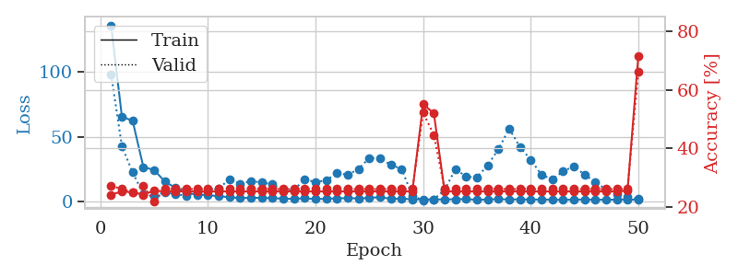
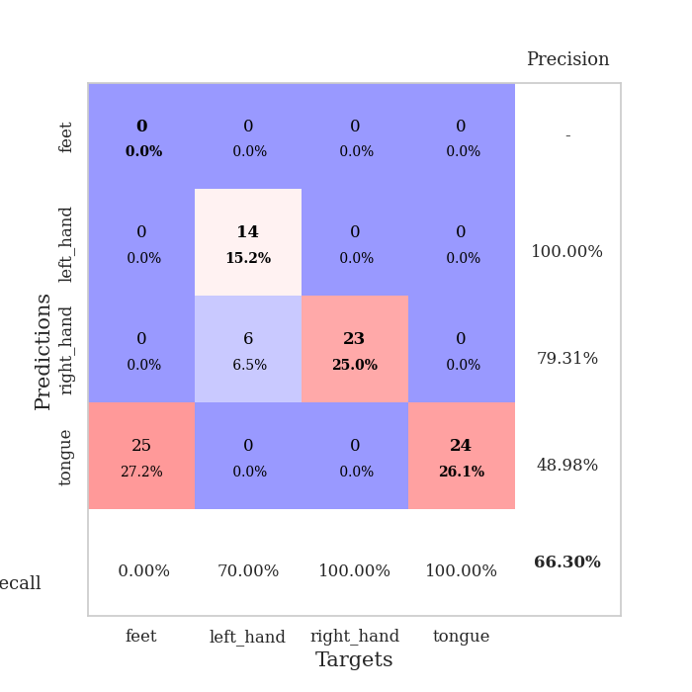
train_loss | valid_loss | train_accuracy | valid_accuracy | dur | train_misclass | valid_misclass
136.00226479 | 98.27680737 | 0.24184782609 | 0.27173913043 | 0.038856983185 | 24.184782609 | 27.173913043
65.655609894 | 42.851854739 | 0.2527173913 | 0.26086956522 | 0.037271976471 | 25.27173913 | 26.086956522
62.32714386 | 22.570374945 | 0.25 | 0.25 | 0.036575555801 | 25 | 25
26.726340866 | 5.9087430291 | 0.24184782609 | 0.27173913043 | 0.036141633987 | 24.184782609 | 27.173913043
24.39873085 | 4.6920269054 | 0.25543478261 | 0.21739130435 | 0.036232709885 | 25.543478261 | 21.739130435
15.441976738 | 7.1673671474 | 0.2527173913 | 0.26086956522 | 0.036107540131 | 25.27173913 | 26.086956522
10.530436039 | 5.6506910946 | 0.2527173913 | 0.26086956522 | 0.035953044891 | 25.27173913 | 26.086956522
6.7832108974 | 4.5853870433 | 0.2527173913 | 0.26086956522 | 0.038144350052 | 25.27173913 | 26.086956522
5.3646799088 | 7.3440066213 | 0.2527173913 | 0.26086956522 | 0.037091970444 | 25.27173913 | 26.086956522
5.0921430588 | 7.6822072319 | 0.2527173913 | 0.26086956522 | 0.035807847977 | 25.27173913 | 26.086956522
4.1536858559 | 10.272069599 | 0.2527173913 | 0.26086956522 | 0.035881996155 | 25.27173913 | 26.086956522
3.5024341583 | 17.124259161 | 0.2527173913 | 0.26086956522 | 0.035827636719 | 25.27173913 | 26.086956522
2.7329187393 | 13.778817301 | 0.2527173913 | 0.26086956522 | 0.036521911621 | 25.27173913 | 26.086956522
2.9921690941 | 15.891451504 | 0.2527173913 | 0.26086956522 | 0.036418914795 | 25.27173913 | 26.086956522
2.8939041138 | 14.701820415 | 0.2527173913 | 0.26086956522 | 0.037626266479 | 25.27173913 | 26.086956522
2.7039674282 | 13.464758168 | 0.2527173913 | 0.26086956522 | 0.038555860519 | 25.27173913 | 26.086956522
2.3032861948 | 7.9859833095 | 0.2527173913 | 0.26086956522 | 0.036772012711 | 25.27173913 | 26.086956522
2.1375930071 | 9.2004620511 | 0.2527173913 | 0.26086956522 | 0.039691925049 | 25.27173913 | 26.086956522
2.6351613998 | 17.156282674 | 0.2527173913 | 0.26086956522 | 0.036726713181 | 25.27173913 | 26.086956522
1.959836483 | 15.094325853 | 0.2527173913 | 0.26086956522 | 0.036421537399 | 25.27173913 | 26.086956522
2.2371524096 | 16.347307413 | 0.2527173913 | 0.26086956522 | 0.036261081696 | 25.27173913 | 26.086956522
2.5640314579 | 22.2891854 | 0.2527173913 | 0.26086956522 | 0.036654949188 | 25.27173913 | 26.086956522
2.7149322033 | 20.559338031 | 0.2527173913 | 0.26086956522 | 0.036355257034 | 25.27173913 | 26.086956522
2.5275642872 | 25.29878691 | 0.2527173913 | 0.26086956522 | 0.036360740662 | 25.27173913 | 26.086956522
2.8164175034 | 33.69652773 | 0.2527173913 | 0.26086956522 | 0.036528110504 | 25.27173913 | 26.086956522
3.5310162067 | 33.121992028 | 0.2527173913 | 0.26086956522 | 0.036367177963 | 25.27173913 | 26.086956522
2.1836246729 | 28.487777129 | 0.2527173913 | 0.26086956522 | 0.037478685379 | 25.27173913 | 26.086956522
2.2833756924 | 25.1116061 | 0.2527173913 | 0.26086956522 | 0.03643155098 | 25.27173913 | 26.086956522
1.8885615587 | 4.582577892 | 0.2527173913 | 0.26086956522 | 0.036417484283 | 25.27173913 | 26.086956522
1.6728929758 | 1.0156830238 | 0.55163043478 | 0.52173913043 | 0.037590503693 | 55.163043478 | 52.173913043
1.8034282684 | 1.7024071683 | 0.51902173913 | 0.44565217391 | 0.036981344223 | 51.902173913 | 44.565217391
1.6819922686 | 9.0093776869 | 0.2527173913 | 0.26086956522 | 0.037085056305 | 25.27173913 | 26.086956522
1.8582993984 | 25.099934205 | 0.2527173913 | 0.26086956522 | 0.03640961647 | 25.27173913 | 26.086956522
1.9778192759 | 19.307506478 | 0.2527173913 | 0.26086956522 | 0.037019968033 | 25.27173913 | 26.086956522
1.3485874653 | 18.680488255 | 0.2527173913 | 0.26086956522 | 0.036019563675 | 25.27173913 | 26.086956522
1.6860841513 | 28.120206501 | 0.2527173913 | 0.26086956522 | 0.03631401062 | 25.27173913 | 26.086956522
1.9276614666 | 40.380563653 | 0.2527173913 | 0.26086956522 | 0.036546945572 | 25.27173913 | 26.086956522
1.7231780767 | 56.350125852 | 0.2527173913 | 0.26086956522 | 0.036268234253 | 25.27173913 | 26.086956522
1.7415228128 | 42.139305944 | 0.2527173913 | 0.26086956522 | 0.036490678787 | 25.27173913 | 26.086956522
1.6017931938 | 32.394458356 | 0.2527173913 | 0.26086956522 | 0.036623954773 | 25.27173913 | 26.086956522
1.6486061096 | 20.665348302 | 0.2527173913 | 0.26086956522 | 0.03634762764 | 25.27173913 | 26.086956522
1.4895221233 | 17.190970628 | 0.2527173913 | 0.26086956522 | 0.036540746689 | 25.27173913 | 26.086956522
1.4410471439 | 23.327847854 | 0.2527173913 | 0.26086956522 | 0.036147117615 | 25.27173913 | 26.086956522
1.5282611847 | 27.293844555 | 0.2527173913 | 0.26086956522 | 0.036691904068 | 25.27173913 | 26.086956522
1.6815241337 | 20.832373826 | 0.2527173913 | 0.26086956522 | 0.036450386047 | 25.27173913 | 26.086956522
1.4371923208 | 15.234883184 | 0.2527173913 | 0.26086956522 | 0.036901473999 | 25.27173913 | 26.086956522
1.5529331446 | 9.2940941686 | 0.2527173913 | 0.26086956522 | 0.036205768585 | 25.27173913 | 26.086956522
1.491322279 | 5.9304966097 | 0.2527173913 | 0.26086956522 | 0.036739587784 | 25.27173913 | 26.086956522
1.7353259087 | 3.4578694675 | 0.25543478261 | 0.26086956522 | 0.037301301956 | 25.543478261 | 26.086956522
1.3493476391 | 1.9269480809 | 0.71467391304 | 0.66304347826 | 0.036262750626 | 71.467391304 | 66.304347826

Best Val accuracy is 0.6630434782608695 and Best test accuracy is 0.6551724137931034

Sheet8
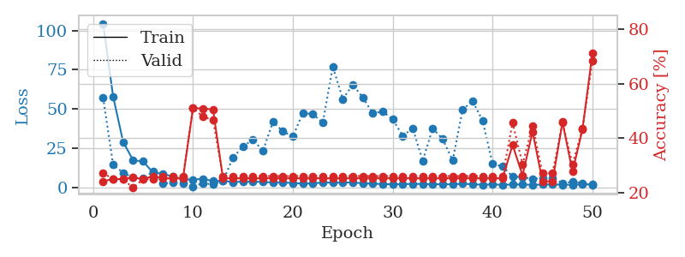
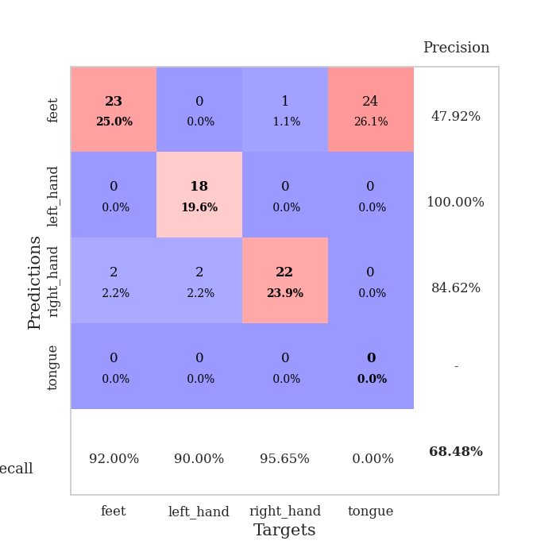
train_loss | valid_loss | train_accuracy | valid_accuracy | dur | train_misclass | valid_misclass
104.39533958 | 57.204209037 | 0.24184782609 | 0.27173913043 | 0.03871679306 | 24.184782609 | 27.173913043
58.002585983 | 14.410183243 | 0.25 | 0.25 | 0.036376237869 | 25 | 25
29.107109833 | 9.4513575098 | 0.25 | 0.25 | 0.036230802536 | 25 | 25
17.345289612 | 6.274484821 | 0.25543478261 | 0.21739130435 | 0.035960912704 | 25.543478261 | 21.739130435
16.602733612 | 5.8227086482 | 0.25 | 0.25 | 0.035819530487 | 25 | 25
9.4974709511 | 10.090052688 | 0.26086956522 | 0.25 | 0.035732984543 | 26.086956522 | 25
8.7408136368 | 2.5964487947 | 0.2527173913 | 0.26086956522 | 0.035826683044 | 25.27173913 | 26.086956522
6.8589033127 | 3.2203511052 | 0.2527173913 | 0.26086956522 | 0.036048650742 | 25.27173913 | 26.086956522
5.206057024 | 2.783129972 | 0.2527173913 | 0.26086956522 | 0.036003828049 | 25.27173913 | 26.086956522
5.0487815857 | 0.62256817973 | 0.51086956522 | 0.51086956522 | 0.03838801384 | 51.086956522 | 51.086956522
5.5351766109 | 2.7707659784 | 0.50815217391 | 0.47826086957 | 0.036453723907 | 50.815217391 | 47.826086957
4.0402006626 | 1.9472153083 | 0.50543478261 | 0.46739130435 | 0.036280870438 | 50.543478261 | 46.739130435
4.302709198 | 4.203913274 | 0.2527173913 | 0.26086956522 | 0.037324428558 | 25.27173913 | 26.086956522
3.4676867962 | 19.074111192 | 0.2527173913 | 0.26086956522 | 0.036117315292 | 25.27173913 | 26.086956522
3.7959830284 | 26.096014935 | 0.2527173913 | 0.26086956522 | 0.036789417267 | 25.27173913 | 26.086956522
3.6930096626 | 30.537663252 | 0.2527173913 | 0.26086956522 | 0.036772727966 | 25.27173913 | 26.086956522
3.5545444965 | 23.235755589 | 0.2527173913 | 0.26086956522 | 0.036653995514 | 25.27173913 | 26.086956522
3.2472819805 | 41.836001023 | 0.2527173913 | 0.26086956522 | 0.036256074905 | 25.27173913 | 26.086956522
3.2565908909 | 35.775325941 | 0.2527173913 | 0.26086956522 | 0.036253213882 | 25.27173913 | 26.086956522
2.8820042133 | 32.455654144 | 0.2527173913 | 0.26086956522 | 0.036125898361 | 25.27173913 | 26.086956522
2.4633251905 | 47.539384096 | 0.2527173913 | 0.26086956522 | 0.03621006012 | 25.27173913 | 26.086956522
2.6386375427 | 46.682717033 | 0.2527173913 | 0.26086956522 | 0.036667585373 | 25.27173913 | 26.086956522
3.2269610405 | 41.426046454 | 0.2527173913 | 0.26086956522 | 0.036503076553 | 25.27173913 | 26.086956522
3.1384718895 | 76.907469708 | 0.2527173913 | 0.26086956522 | 0.036266088486 | 25.27173913 | 26.086956522
3.1543500423 | 56.394063369 | 0.2527173913 | 0.26086956522 | 0.036266326904 | 25.27173913 | 26.086956522
3.2640830517 | 65.346220099 | 0.2527173913 | 0.26086956522 | 0.036339044571 | 25.27173913 | 26.086956522
2.6438062668 | 57.425542251 | 0.2527173913 | 0.26086956522 | 0.036564350128 | 25.27173913 | 26.086956522
2.4202229977 | 47.189399553 | 0.2527173913 | 0.26086956522 | 0.036262512207 | 25.27173913 | 26.086956522
2.2195525408 | 48.471187757 | 0.2527173913 | 0.26086956522 | 0.03645157814 | 25.27173913 | 26.086956522
1.9841827631 | 43.402284373 | 0.2527173913 | 0.26086956522 | 0.036113500595 | 25.27173913 | 26.086956522
2.1416172743 | 32.845008684 | 0.2527173913 | 0.26086956522 | 0.036737203598 | 25.27173913 | 26.086956522
2.2988577366 | 37.683236329 | 0.2527173913 | 0.26086956522 | 0.036243438721 | 25.27173913 | 26.086956522
2.257622242 | 16.938562144 | 0.2527173913 | 0.26086956522 | 0.036391973495 | 25.27173913 | 26.086956522
1.9072108984 | 37.67073424 | 0.2527173913 | 0.26086956522 | 0.03626871109 | 25.27173913 | 26.086956522
2.2089773893 | 30.888240151 | 0.2527173913 | 0.26086956522 | 0.036736249924 | 25.27173913 | 26.086956522
1.9026568413 | 17.236456 | 0.2527173913 | 0.26086956522 | 0.036134243011 | 25.27173913 | 26.086956522
2.4636922836 | 49.696503183 | 0.2527173913 | 0.26086956522 | 0.03688120842 | 25.27173913 | 26.086956522
2.0152425528 | 54.980413852 | 0.2527173913 | 0.26086956522 | 0.036236763 | 25.27173913 | 26.086956522
1.825367713 | 42.60604875 | 0.2527173913 | 0.26086956522 | 0.036111831665 | 25.27173913 | 26.086956522
1.8884958744 | 14.948802782 | 0.2527173913 | 0.26086956522 | 0.036282062531 | 25.27173913 | 26.086956522
1.7333895445 | 13.419043251 | 0.2527173913 | 0.26086956522 | 0.036226034164 | 25.27173913 | 26.086956522
1.9180120468 | 6.9486361379 | 0.375 | 0.45652173913 | 0.036811828613 | 37.5 | 45.652173913
1.88968606 | 6.5996963874 | 0.26358695652 | 0.30434782609 | 0.036281585693 | 26.358695652 | 30.434782609
1.6738361835 | 5.4618611128 | 0.42391304348 | 0.44565217391 | 0.036096096039 | 42.391304348 | 44.565217391
1.8713938713 | 6.0106969087 | 0.24184782609 | 0.27173913043 | 0.03629899025 | 24.184782609 | 27.173913043
1.9622907162 | 5.7639548675 | 0.24184782609 | 0.27173913043 | 0.037151575089 | 24.184782609 | 27.173913043
1.7537347078 | 2.9179542376 | 0.45923913043 | 0.45652173913 | 0.036302804947 | 45.923913043 | 45.652173913
1.7525537729 | 3.4923257931 | 0.27717391304 | 0.30434782609 | 0.036474943161 | 27.717391304 | 30.434782609
1.9570640087 | 2.9229858025 | 0.43206521739 | 0.4347826087 | 0.036242723465 | 43.206521739 | 43.47826087
1.9046262026 | 1.4527611162 | 0.71195652174 | 0.6847826087 | 0.036461114883 | 71.195652174 | 68.47826087

Best Val accuracy is 0.6847826086956522 and Best test accuracy is 0.7241379310344828

Sheet9
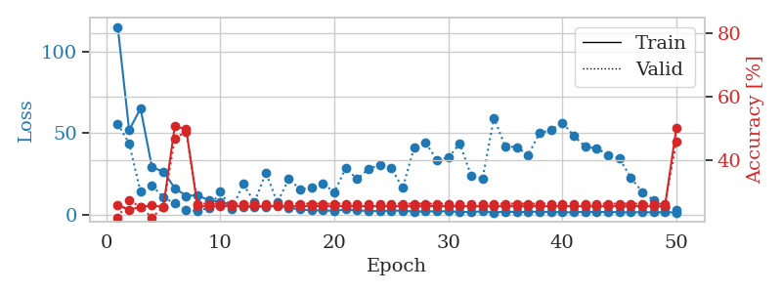
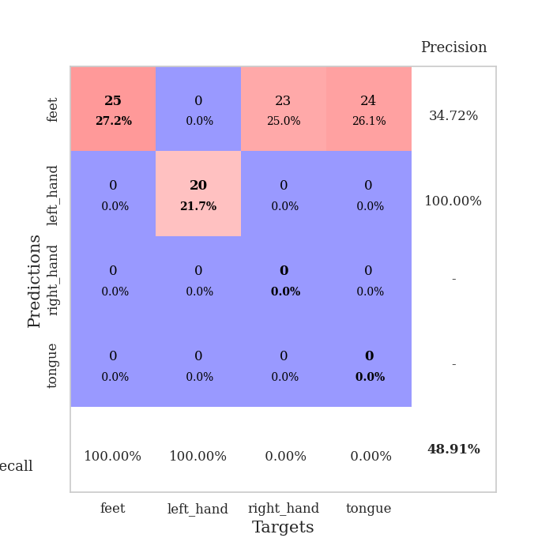
train_loss | valid_loss | train_accuracy | valid_accuracy | dur | train_misclass | valid_misclass
114.9901741 | 55.562307441 | 0.25543478261 | 0.21739130435 | 0.038935422897 | 25.543478261 | 21.739130435
51.734532166 | 43.723861528 | 0.24184782609 | 0.27173913043 | 0.036864757538 | 24.184782609 | 27.173913043
65.054181671 | 13.966823412 | 0.25 | 0.25 | 0.036970376968 | 25 | 25
29.064142609 | 17.962336582 | 0.25543478261 | 0.21739130435 | 0.037173986435 | 25.543478261 | 21.739130435
26.400016785 | 10.560582576 | 0.25 | 0.25 | 0.037794589996 | 25 | 25
16.330338097 | 7.0143689073 | 0.50543478261 | 0.46739130435 | 0.037663221359 | 50.543478261 | 46.739130435
11.537968922 | 2.7245522997 | 0.4972826087 | 0.48913043478 | 0.037319421768 | 49.72826087 | 48.913043478
11.916568565 | 2.4505944667 | 0.2527173913 | 0.26086956522 | 0.037084579468 | 25.27173913 | 26.086956522
8.8093997955 | 4.1697916052 | 0.2527173913 | 0.26086956522 | 0.037260293961 | 25.27173913 | 26.086956522
7.892518425 | 14.110976385 | 0.2527173913 | 0.26086956522 | 0.037227869034 | 25.27173913 | 26.086956522
5.8832121849 | 3.2066173657 | 0.2527173913 | 0.26086956522 | 0.037796974182 | 25.27173913 | 26.086956522
4.8020068645 | 18.838696521 | 0.2527173913 | 0.26086956522 | 0.037907123566 | 25.27173913 | 26.086956522
4.9690791607 | 7.6393776562 | 0.2527173913 | 0.26086956522 | 0.037899017334 | 25.27173913 | 26.086956522
4.9785271645 | 25.770911839 | 0.2527173913 | 0.26086956522 | 0.037875175476 | 25.27173913 | 26.086956522
5.6235848427 | 7.4344161904 | 0.2527173913 | 0.26086956522 | 0.037045478821 | 25.27173913 | 26.086956522
4.2565598011 | 21.846255095 | 0.2527173913 | 0.26086956522 | 0.037348747253 | 25.27173913 | 26.086956522
3.3036392689 | 15.637959107 | 0.2527173913 | 0.26086956522 | 0.038171768188 | 25.27173913 | 26.086956522
2.6758596897 | 16.378611316 | 0.2527173913 | 0.26086956522 | 0.038232326508 | 25.27173913 | 26.086956522
2.7218015671 | 18.983103711 | 0.2527173913 | 0.26086956522 | 0.038552045822 | 25.27173913 | 26.086956522
2.287032938 | 13.815247038 | 0.2527173913 | 0.26086956522 | 0.038621425629 | 25.27173913 | 26.086956522
3.2366083145 | 28.607041317 | 0.2527173913 | 0.26086956522 | 0.037823915482 | 25.27173913 | 26.086956522
2.6043707848 | 21.759549348 | 0.2527173913 | 0.26086956522 | 0.038104534149 | 25.27173913 | 26.086956522
2.343505621 | 28.132381771 | 0.2527173913 | 0.26086956522 | 0.037333726883 | 25.27173913 | 26.086956522
2.2563216209 | 30.438324472 | 0.2527173913 | 0.26086956522 | 0.036686897278 | 25.27173913 | 26.086956522
2.5076010227 | 28.304753677 | 0.2527173913 | 0.26086956522 | 0.037713289261 | 25.27173913 | 26.086956522
2.5248369694 | 16.476589078 | 0.2527173913 | 0.26086956522 | 0.037504434586 | 25.27173913 | 26.086956522
1.9571956158 | 41.221035667 | 0.2527173913 | 0.26086956522 | 0.038266897202 | 25.27173913 | 26.086956522
2.1147603512 | 44.250116597 | 0.2527173913 | 0.26086956522 | 0.037536382675 | 25.27173913 | 26.086956522
1.9962752819 | 33.372369103 | 0.2527173913 | 0.26086956522 | 0.036802530289 | 25.27173913 | 26.086956522
2.1844828129 | 34.98828805 | 0.2527173913 | 0.26086956522 | 0.037044763565 | 25.27173913 | 26.086956522
1.6844016075 | 43.514015364 | 0.2527173913 | 0.26086956522 | 0.037903547287 | 25.27173913 | 26.086956522
1.6222956657 | 23.884731542 | 0.2527173913 | 0.26086956522 | 0.038028001785 | 25.27173913 | 26.086956522
2.0509181976 | 22.095441818 | 0.2527173913 | 0.26086956522 | 0.042195081711 | 25.27173913 | 26.086956522
1.2527514696 | 59.219545613 | 0.2527173913 | 0.26086956522 | 0.038641691208 | 25.27173913 | 26.086956522
1.9737211704 | 41.759072511 | 0.2527173913 | 0.26086956522 | 0.037474870682 | 25.27173913 | 26.086956522
1.5825999498 | 41.439080114 | 0.2527173913 | 0.26086956522 | 0.037110567093 | 25.27173913 | 26.086956522
1.8320548058 | 36.613600192 | 0.2527173913 | 0.26086956522 | 0.036788463593 | 25.27173913 | 26.086956522
1.8218745589 | 49.878909899 | 0.2527173913 | 0.26086956522 | 0.037945270538 | 25.27173913 | 26.086956522
1.6910269976 | 51.910890165 | 0.2527173913 | 0.26086956522 | 0.037399291992 | 25.27173913 | 26.086956522
1.5311656833 | 56.378008801 | 0.2527173913 | 0.26086956522 | 0.037867069244 | 25.27173913 | 26.086956522
1.4065235376 | 48.384865636 | 0.2527173913 | 0.26086956522 | 0.036680221558 | 25.27173913 | 26.086956522
1.8587899923 | 41.66973114 | 0.2527173913 | 0.26086956522 | 0.036820411682 | 25.27173913 | 26.086956522
1.6037879467 | 40.6266103 | 0.2527173913 | 0.26086956522 | 0.037028074265 | 25.27173913 | 26.086956522
1.7041819334 | 36.609116596 | 0.2527173913 | 0.26086956522 | 0.036586523056 | 25.27173913 | 26.086956522
1.4679195642 | 34.503300708 | 0.2527173913 | 0.26086956522 | 0.037610769272 | 25.27173913 | 26.086956522
1.4078432083 | 22.722156773 | 0.2527173913 | 0.26086956522 | 0.036946296692 | 25.27173913 | 26.086956522
1.5679167747 | 13.944518172 | 0.2527173913 | 0.26086956522 | 0.037975549698 | 25.27173913 | 26.086956522
1.4125980139 | 8.9022143405 | 0.2527173913 | 0.26086956522 | 0.038460254669 | 25.27173913 | 26.086956522
1.5066278219 | 4.8373444391 | 0.2527173913 | 0.26086956522 | 0.039226770401 | 25.27173913 | 26.086956522
1.3372354507 | 2.7627732754 | 0.5 | 0.45652173913 | 0.037999629974 | 50 | 45.652173913

Best Val accuracy is 0.4891304347826087 and Best test accuracy is 0.5172413793103449

Sheet10
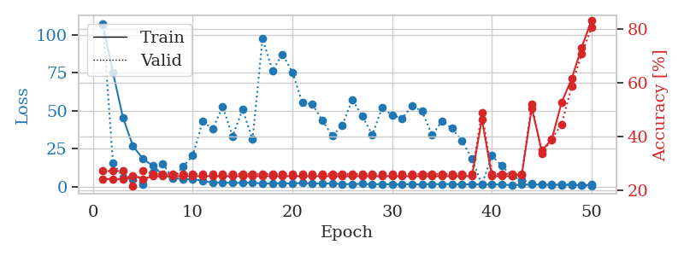
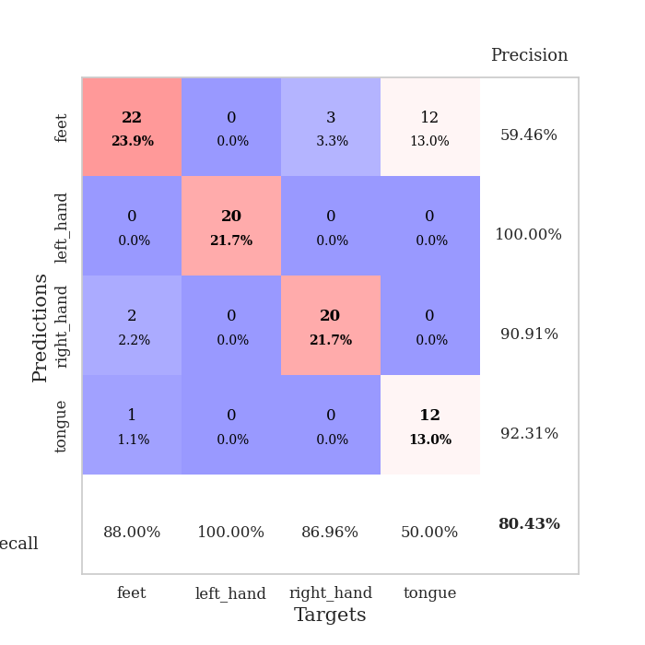
train_loss | valid_loss | train_accuracy | valid_accuracy | dur | train_misclass | valid_misclass
106.38595657 | 107.44621741 | 0.24184782609 | 0.27173913043 | 0.038992881775 | 24.184782609 | 27.173913043
75.222390747 | 15.724865291 | 0.24184782609 | 0.27173913043 | 0.0370054245 | 24.184782609 | 27.173913043
45.491308594 | 6.1581712184 | 0.24184782609 | 0.27173913043 | 0.037563323975 | 24.184782609 | 27.173913043
26.720087051 | 5.0207289405 | 0.25543478261 | 0.21739130435 | 0.037756204605 | 25.543478261 | 21.739130435
18.310814476 | 1.5672520866 | 0.24184782609 | 0.27173913043 | 0.036675691605 | 24.184782609 | 27.173913043
13.67487812 | 9.5592116895 | 0.2527173913 | 0.26086956522 | 0.036863803864 | 25.27173913 | 26.086956522
7.7766662598 | 15.14537293 | 0.2527173913 | 0.26086956522 | 0.036866188049 | 25.27173913 | 26.086956522
5.7605481148 | 5.369346515 | 0.2527173913 | 0.26086956522 | 0.036157846451 | 25.27173913 | 26.086956522
4.8386029243 | 13.017541015 | 0.2527173913 | 0.26086956522 | 0.036830425262 | 25.27173913 | 26.086956522
4.851449585 | 20.388986836 | 0.2527173913 | 0.26086956522 | 0.036672115326 | 25.27173913 | 26.086956522
3.9126881838 | 43.009452322 | 0.2527173913 | 0.26086956522 | 0.036401033401 | 25.27173913 | 26.086956522
2.4459404469 | 37.84957156 | 0.2527173913 | 0.26086956522 | 0.03870677948 | 25.27173913 | 26.086956522
2.7697320461 | 52.713072072 | 0.2527173913 | 0.26086956522 | 0.037179946899 | 25.27173913 | 26.086956522
2.3152405739 | 33.178294389 | 0.2527173913 | 0.26086956522 | 0.037228345871 | 25.27173913 | 26.086956522
2.4728551865 | 50.806582741 | 0.2527173913 | 0.26086956522 | 0.036820888519 | 25.27173913 | 26.086956522
2.6673230171 | 31.18428761 | 0.2527173913 | 0.26086956522 | 0.037026882172 | 25.27173913 | 26.086956522
1.8746658087 | 97.457704295 | 0.2527173913 | 0.26086956522 | 0.036139011383 | 25.27173913 | 26.086956522
2.0447705984 | 76.514305115 | 0.2527173913 | 0.26086956522 | 0.036634922028 | 25.27173913 | 26.086956522
2.1518787384 | 87.143880098 | 0.2527173913 | 0.26086956522 | 0.036621570587 | 25.27173913 | 26.086956522
2.0052805424 | 75.234176304 | 0.2527173913 | 0.26086956522 | 0.037003040314 | 25.27173913 | 26.086956522
2.3505108833 | 55.1962267 | 0.2527173913 | 0.26086956522 | 0.03622674942 | 25.27173913 | 26.086956522
1.9974644661 | 54.275640239 | 0.2527173913 | 0.26086956522 | 0.036242246628 | 25.27173913 | 26.086956522
2.0058266878 | 43.429224097 | 0.2527173913 | 0.26086956522 | 0.036588907242 | 25.27173913 | 26.086956522
1.9298947334 | 33.479359834 | 0.2527173913 | 0.26086956522 | 0.037026166916 | 25.27173913 | 26.086956522
1.6896414042 | 40.259787684 | 0.2527173913 | 0.26086956522 | 0.036531686783 | 25.27173913 | 26.086956522
1.5396878481 | 57.260552448 | 0.2527173913 | 0.26086956522 | 0.03616476059 | 25.27173913 | 26.086956522
1.8315313578 | 46.599496924 | 0.2527173913 | 0.26086956522 | 0.03603386879 | 25.27173913 | 26.086956522
1.4241014242 | 34.075437131 | 0.2527173913 | 0.26086956522 | 0.036118507385 | 25.27173913 | 26.086956522
1.6661652803 | 51.892566515 | 0.2527173913 | 0.26086956522 | 0.037671804428 | 25.27173913 | 26.086956522
1.4527480125 | 47.093601061 | 0.2527173913 | 0.26086956522 | 0.03588104248 | 25.27173913 | 26.086956522
1.4244399071 | 44.885673357 | 0.2527173913 | 0.26086956522 | 0.036192655563 | 25.27173913 | 26.086956522
1.6322954655 | 53.277846129 | 0.2527173913 | 0.26086956522 | 0.036564350128 | 25.27173913 | 26.086956522
1.2752898216 | 49.551101519 | 0.2527173913 | 0.26086956522 | 0.036411762238 | 25.27173913 | 26.086956522
1.6605699539 | 33.911044909 | 0.2527173913 | 0.26086956522 | 0.036463499069 | 25.27173913 | 26.086956522
1.5867879152 | 43.169431106 | 0.2527173913 | 0.26086956522 | 0.036645889282 | 25.27173913 | 26.086956522
1.6704134464 | 38.343672213 | 0.2527173913 | 0.26086956522 | 0.03700709343 | 25.27173913 | 26.086956522
1.3076788425 | 30.17355073 | 0.2527173913 | 0.26086956522 | 0.035779714584 | 25.27173913 | 26.086956522
1.5176827908 | 18.411397685 | 0.2527173913 | 0.26086956522 | 0.036091327667 | 25.27173913 | 26.086956522
1.2944936037 | 1.2629741638 | 0.46467391304 | 0.48913043478 | 0.036993980408 | 46.467391304 | 48.913043478
1.3990843654 | 20.323925931 | 0.2527173913 | 0.26086956522 | 0.039037227631 | 25.27173913 | 26.086956522
1.2717163086 | 13.677343949 | 0.2527173913 | 0.26086956522 | 0.036520719528 | 25.27173913 | 26.086956522
0.94634814262 | 7.0090471143 | 0.2527173913 | 0.26086956522 | 0.037365913391 | 25.27173913 | 26.086956522
1.2271808147 | 4.2125273787 | 0.25815217391 | 0.26086956522 | 0.037681341171 | 25.815217391 | 26.086956522
1.3690209508 | 2.052161393 | 0.50543478261 | 0.52173913043 | 0.036265850067 | 50.543478261 | 52.173913043
1.2288261175 | 1.5555939312 | 0.34782608696 | 0.33695652174 | 0.037319898605 | 34.782608696 | 33.695652174
1.0987483501 | 1.4767006687 | 0.38858695652 | 0.39130434783 | 0.036662578583 | 38.858695652 | 39.130434783
1.1409785748 | 1.453376231 | 0.52717391304 | 0.44565217391 | 0.037206888199 | 52.717391304 | 44.565217391
1.0032902122 | 1.2021232636 | 0.61413043478 | 0.58695652174 | 0.037402153015 | 61.413043478 | 58.695652174
0.93746978045 | 0.75189421747 | 0.73097826087 | 0.70652173913 | 0.03689622879 | 73.097826087 | 70.652173913
1.2593775034 | 0.49315016425 | 0.83152173913 | 0.80434782609 | 0.037668228149 | 83.152173913 | 80.434782609

Best Val accuracy is 0.8043478260869565 and Best test accuracy is 0.7844827586206896

