Sheet
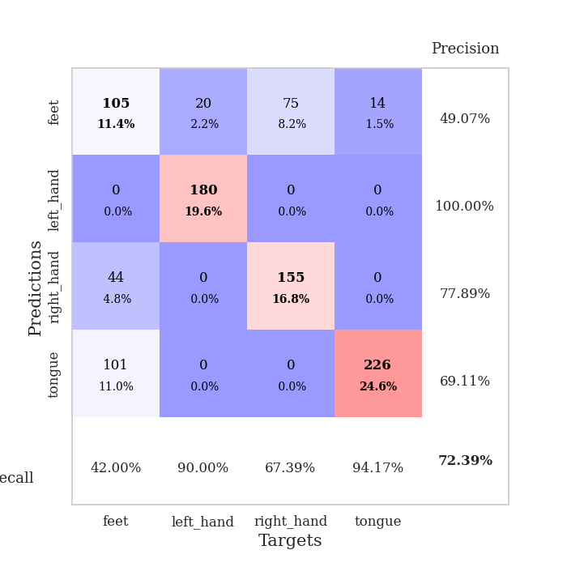
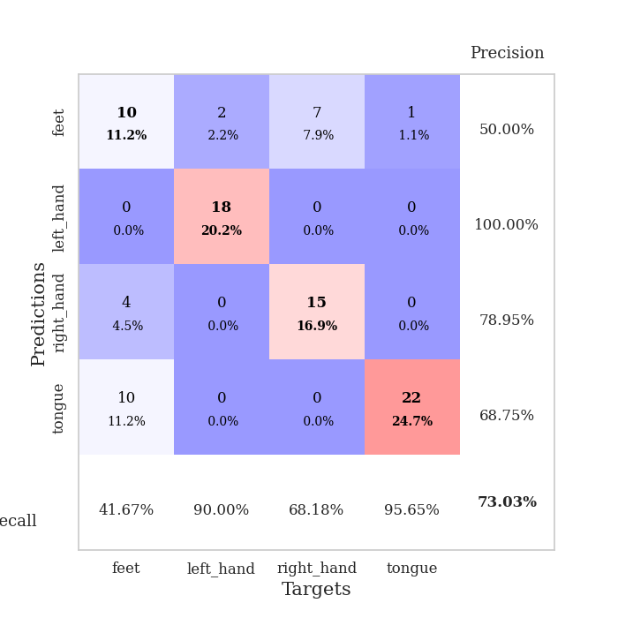
best_val_acc | best_val_los | best_test_acc
0.72826086957 | 0.97152015178 | 0.71551724138
0.78260869565 | 0.4457644872 | 0.77586206897
0.72826086957 | 1.5444807954 | 0.73275862069
0.75 | 0.52837229812 | 0.75
0.53260869565 | 3.4661129869 | 0.49137931034
0.72826086957 | 0.5458101086 | 0.73275862069
0.72826086957 | 1.2069369036 | 0.74137931034
0.72826086957 | 0.87532232378 | 0.74137931034
0.72826086957 | 1.6428987306 | 0.74137931034
0.80434782609 | 0.41837856951 | 0.80172413793

Mean,std Val accuracy is 0.7239130434782609 , 0.07249999094655514 and mean, std test accuracy is 0.7224137931034483 , 0.08473845112904163

Sheet1
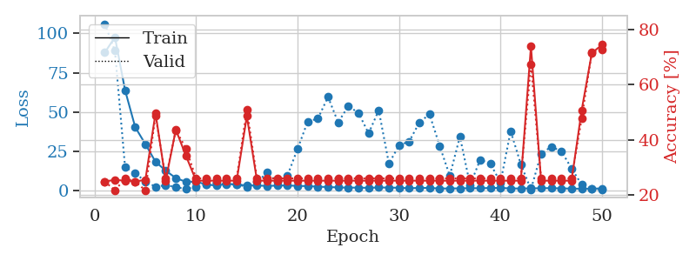
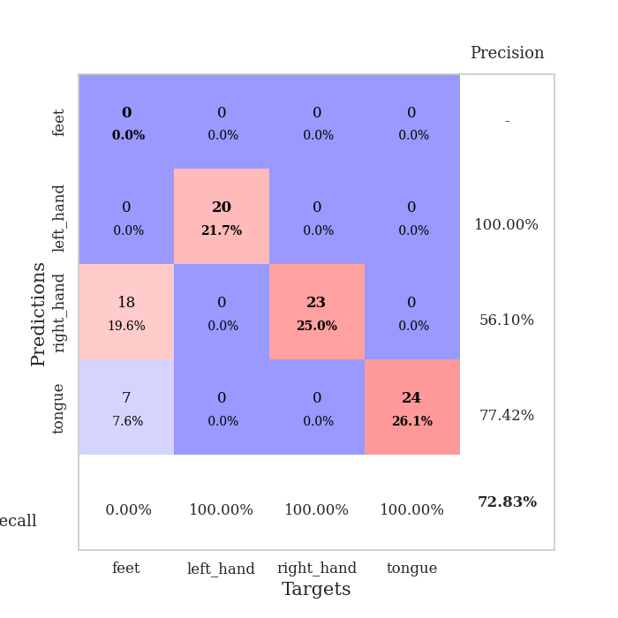
train_loss | valid_loss | train_accuracy | valid_accuracy | dur | train_misclass | valid_misclass
87.895182037 | 106.06970149 | 0.25 | 0.25 | 0.037672519684 | 25 | 25
97.660679626 | 89.002377386 | 0.25543478261 | 0.21739130435 | 0.037035703659 | 25.543478261 | 21.739130435
63.94895401 | 14.984500636 | 0.2527173913 | 0.26086956522 | 0.036506652832 | 25.27173913 | 26.086956522
40.489161682 | 11.367869584 | 0.25 | 0.25 | 0.037035226822 | 25 | 25
29.746614075 | 6.0051506706 | 0.25543478261 | 0.21739130435 | 0.036433696747 | 25.543478261 | 21.739130435
18.552407837 | 2.6900369706 | 0.4972826087 | 0.48913043478 | 0.036291837692 | 49.72826087 | 48.913043478
12.906666183 | 3.6675639878 | 0.2527173913 | 0.26086956522 | 0.037286758423 | 25.27173913 | 26.086956522
8.2202035904 | 2.4691176414 | 0.4375 | 0.4347826087 | 0.037414550781 | 43.75 | 43.47826087
5.7793778419 | 1.2555619478 | 0.34239130435 | 0.36956521739 | 0.037320613861 | 34.239130435 | 36.956521739
5.9056096077 | 2.6942347547 | 0.2527173913 | 0.26086956522 | 0.037061691284 | 25.27173913 | 26.086956522
4.1274228573 | 3.9047277388 | 0.2527173913 | 0.26086956522 | 0.036180257797 | 25.27173913 | 26.086956522
3.4208919048 | 5.2979877928 | 0.2527173913 | 0.26086956522 | 0.035854816437 | 25.27173913 | 26.086956522
4.4461045265 | 4.2322625181 | 0.2527173913 | 0.26086956522 | 0.035836696625 | 25.27173913 | 26.086956522
4.2091595173 | 4.221810372 | 0.2527173913 | 0.26086956522 | 0.035799980164 | 25.27173913 | 26.086956522
3.4333347797 | 2.6070330143 | 0.48641304348 | 0.51086956522 | 0.035878658295 | 48.641304348 | 51.086956522
3.4961713076 | 5.5707264154 | 0.2527173913 | 0.26086956522 | 0.036530017853 | 25.27173913 | 26.086956522
3.1843844414 | 11.71400489 | 0.2527173913 | 0.26086956522 | 0.035909175873 | 25.27173913 | 26.086956522
3.42266922 | 5.8209001292 | 0.2527173913 | 0.26086956522 | 0.035784244537 | 25.27173913 | 26.086956522
3.4984883308 | 9.7609397639 | 0.2527173913 | 0.26086956522 | 0.03591799736 | 25.27173913 | 26.086956522
3.2200587273 | 26.744053633 | 0.2527173913 | 0.26086956522 | 0.035606145859 | 25.27173913 | 26.086956522
3.0896227837 | 44.116399019 | 0.2527173913 | 0.26086956522 | 0.035778999329 | 25.27173913 | 26.086956522
2.7402446747 | 45.923746192 | 0.2527173913 | 0.26086956522 | 0.035723924637 | 25.27173913 | 26.086956522
2.4688092232 | 59.718209474 | 0.2527173913 | 0.26086956522 | 0.035888195038 | 25.27173913 | 26.086956522
2.2607951403 | 43.538167207 | 0.2527173913 | 0.26086956522 | 0.036059856415 | 25.27173913 | 26.086956522
2.0848387718 | 53.886579928 | 0.2527173913 | 0.26086956522 | 0.035779237747 | 25.27173913 | 26.086956522
2.1600661039 | 49.609193387 | 0.2527173913 | 0.26086956522 | 0.035823822021 | 25.27173913 | 26.086956522
1.9492187023 | 36.57657955 | 0.2527173913 | 0.26086956522 | 0.035942792892 | 25.27173913 | 26.086956522
2.2417152882 | 51.275516178 | 0.2527173913 | 0.26086956522 | 0.035823822021 | 25.27173913 | 26.086956522
2.1161069632 | 17.420676687 | 0.2527173913 | 0.26086956522 | 0.035719156265 | 25.27173913 | 26.086956522
2.0387133837 | 28.925321081 | 0.2527173913 | 0.26086956522 | 0.035836696625 | 25.27173913 | 26.086956522
1.7068532705 | 31.468368033 | 0.2527173913 | 0.26086956522 | 0.035788297653 | 25.27173913 | 26.086956522
1.9538635254 | 43.433068814 | 0.2527173913 | 0.26086956522 | 0.03588104248 | 25.27173913 | 26.086956522
1.9453519106 | 48.789662734 | 0.2527173913 | 0.26086956522 | 0.035799264908 | 25.27173913 | 26.086956522
1.5517325401 | 28.679707403 | 0.2527173913 | 0.26086956522 | 0.035828828812 | 25.27173913 | 26.086956522
1.5889221191 | 9.6506004748 | 0.2527173913 | 0.26086956522 | 0.035840749741 | 25.27173913 | 26.086956522
1.6380507946 | 34.559444925 | 0.2527173913 | 0.26086956522 | 0.035782814026 | 25.27173913 | 26.086956522
1.7945173264 | 3.7836417634 | 0.2527173913 | 0.26086956522 | 0.036213636398 | 25.27173913 | 26.086956522
1.7042568207 | 19.871722595 | 0.2527173913 | 0.26086956522 | 0.036006689072 | 25.27173913 | 26.086956522
1.9141361952 | 17.26389321 | 0.2527173913 | 0.26086956522 | 0.035754442215 | 25.27173913 | 26.086956522
1.8891027689 | 5.4619609999 | 0.2527173913 | 0.26086956522 | 0.035828828812 | 25.27173913 | 26.086956522
1.648598218 | 38.023750471 | 0.2527173913 | 0.26086956522 | 0.036011457443 | 25.27173913 | 26.086956522
1.5225218773 | 17.035299965 | 0.2527173913 | 0.26086956522 | 0.035925149918 | 25.27173913 | 26.086956522
1.6621101141 | 0.97152015178 | 0.73913043478 | 0.67391304348 | 0.035819292068 | 73.913043478 | 67.391304348
1.7300380707 | 23.68346546 | 0.2527173913 | 0.26086956522 | 0.036331176758 | 25.27173913 | 26.086956522
1.8277481556 | 28.106591017 | 0.2527173913 | 0.26086956522 | 0.035840272903 | 25.27173913 | 26.086956522
1.6185804844 | 25.264674477 | 0.2527173913 | 0.26086956522 | 0.03581905365 | 25.27173913 | 26.086956522
1.5173524857 | 14.340243796 | 0.2527173913 | 0.26086956522 | 0.035794258118 | 25.27173913 | 26.086956522
1.3998967171 | 3.998883237 | 0.50815217391 | 0.47826086957 | 0.035766124725 | 50.815217391 | 47.826086957
1.5055221796 | 1.2752220838 | 0.71467391304 | 0.71739130435 | 0.0367436409 | 71.467391304 | 71.739130435
1.5918361902 | 1.0604477369 | 0.74456521739 | 0.72826086957 | 0.037510871887 | 74.456521739 | 72.826086957

Best Val accuracy is 0.7282608695652174 and Best test accuracy is 0.7155172413793104

Sheet2
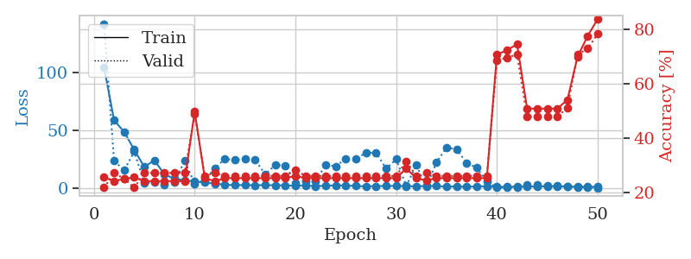
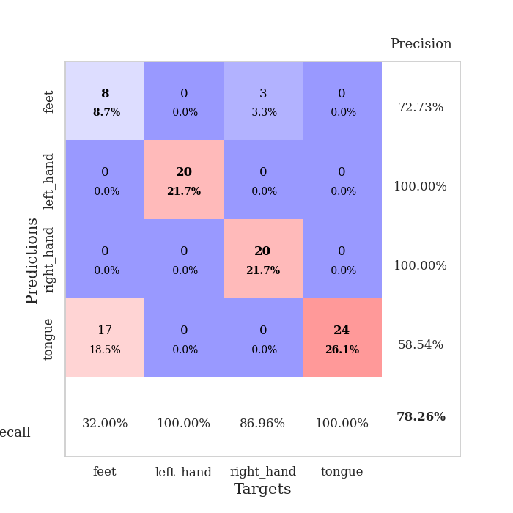
train_loss | valid_loss | train_accuracy | valid_accuracy | dur | train_misclass | valid_misclass
104.43885574 | 142.17039755 | 0.25543478261 | 0.21739130435 | 0.037346839905 | 25.543478261 | 21.739130435
58.900479889 | 23.822856654 | 0.24184782609 | 0.27173913043 | 0.035752058029 | 24.184782609 | 27.173913043
48.803250885 | 15.694777655 | 0.25 | 0.25 | 0.035678386688 | 25 | 25
33.425998306 | 31.991212679 | 0.25543478261 | 0.21739130435 | 0.03507900238 | 25.543478261 | 21.739130435
18.51545372 | 4.5741145922 | 0.24184782609 | 0.27173913043 | 0.035085439682 | 24.184782609 | 27.173913043
24.451908112 | 5.4145298833 | 0.24184782609 | 0.27173913043 | 0.036140203476 | 24.184782609 | 27.173913043
11.889956665 | 3.3647828828 | 0.24184782609 | 0.27173913043 | 0.035344839096 | 24.184782609 | 27.173913043
8.646238327 | 5.2157552761 | 0.24184782609 | 0.27173913043 | 0.035121917725 | 24.184782609 | 27.173913043
6.9344166756 | 23.817388369 | 0.24184782609 | 0.27173913043 | 0.035045385361 | 24.184782609 | 27.173913043
6.0962664127 | 4.0979530293 | 0.4972826087 | 0.48913043478 | 0.038925886154 | 49.72826087 | 48.913043478
5.0971099854 | 7.0810052623 | 0.2527173913 | 0.26086956522 | 0.037360668182 | 25.27173913 | 26.086956522
4.2693955898 | 17.657712273 | 0.24184782609 | 0.27173913043 | 0.03696346283 | 24.184782609 | 27.173913043
3.2364139557 | 25.378917445 | 0.2527173913 | 0.26086956522 | 0.036887168884 | 25.27173913 | 26.086956522
2.8657361984 | 24.741266002 | 0.2527173913 | 0.26086956522 | 0.037219524384 | 25.27173913 | 26.086956522
2.9501107693 | 25.261713443 | 0.2527173913 | 0.26086956522 | 0.037331581116 | 25.27173913 | 26.086956522
2.8122119427 | 24.796059567 | 0.2527173913 | 0.26086956522 | 0.037022590637 | 25.27173913 | 26.086956522
2.8938550472 | 12.167631688 | 0.2527173913 | 0.26086956522 | 0.038294792175 | 25.27173913 | 26.086956522
2.7848178864 | 20.428411815 | 0.2527173913 | 0.26086956522 | 0.035488843918 | 25.27173913 | 26.086956522
2.7048121214 | 19.818044745 | 0.2527173913 | 0.26086956522 | 0.036132097244 | 25.27173913 | 26.086956522
2.2906135321 | 4.9866592366 | 0.26086956522 | 0.28260869565 | 0.03600859642 | 26.086956522 | 28.260869565
2.7784584522 | 6.3218000868 | 0.2527173913 | 0.26086956522 | 0.035551786423 | 25.27173913 | 26.086956522
1.9803398848 | 6.4741385294 | 0.2527173913 | 0.26086956522 | 0.03596830368 | 25.27173913 | 26.086956522
2.4498256683 | 20.310737278 | 0.2527173913 | 0.26086956522 | 0.03729724884 | 25.27173913 | 26.086956522
2.5811374187 | 19.222362352 | 0.2527173913 | 0.26086956522 | 0.037234306335 | 25.27173913 | 26.086956522
2.5662452221 | 25.774736985 | 0.2527173913 | 0.26086956522 | 0.03774023056 | 25.27173913 | 26.086956522
2.1537220001 | 25.828566261 | 0.2527173913 | 0.26086956522 | 0.037269115448 | 25.27173913 | 26.086956522
1.8360706091 | 30.710342988 | 0.2527173913 | 0.26086956522 | 0.037189245224 | 25.27173913 | 26.086956522
2.0453091383 | 30.966855837 | 0.2527173913 | 0.26086956522 | 0.036829471588 | 25.27173913 | 26.086956522
2.1657165289 | 17.139432741 | 0.2527173913 | 0.26086956522 | 0.036838531494 | 25.27173913 | 26.086956522
2.2582710505 | 25.225194599 | 0.2527173913 | 0.26086956522 | 0.036794662476 | 25.27173913 | 26.086956522
2.0146705151 | 2.2697650764 | 0.28804347826 | 0.3152173913 | 0.036385297775 | 28.804347826 | 31.52173913
1.9147356272 | 20.066408406 | 0.2527173913 | 0.26086956522 | 0.036137104034 | 25.27173913 | 26.086956522
2.2099164248 | 1.7113817464 | 0.24456521739 | 0.27173913043 | 0.036562204361 | 24.456521739 | 27.173913043
2.1798449516 | 22.519776054 | 0.2527173913 | 0.26086956522 | 0.036824703217 | 25.27173913 | 26.086956522
1.5262269497 | 35.453615603 | 0.2527173913 | 0.26086956522 | 0.036694765091 | 25.27173913 | 26.086956522
1.8161354303 | 33.740556966 | 0.2527173913 | 0.26086956522 | 0.038393974304 | 25.27173913 | 26.086956522
1.4933464289 | 22.111489254 | 0.2527173913 | 0.26086956522 | 0.036701917648 | 25.27173913 | 26.086956522
1.7774312735 | 17.835537371 | 0.2527173913 | 0.26086956522 | 0.036722898483 | 25.27173913 | 26.086956522
1.9320920467 | 6.3614770019 | 0.2527173913 | 0.26086956522 | 0.03631734848 | 25.27173913 | 26.086956522
1.5569596529 | 0.73016046182 | 0.70652173913 | 0.6847826087 | 0.036398172379 | 70.652173913 | 68.47826087
1.3890755653 | 0.73841859465 | 0.72282608696 | 0.69565217391 | 0.039538621902 | 72.282608696 | 69.565217391
1.5915512323 | 1.0971133864 | 0.74456521739 | 0.70652173913 | 0.036696910858 | 74.456521739 | 70.652173913
1.6865265846 | 3.4777888422 | 0.50815217391 | 0.47826086957 | 0.037493228912 | 50.815217391 | 47.826086957
1.7070014954 | 3.4721606192 | 0.50815217391 | 0.47826086957 | 0.036770820618 | 50.815217391 | 47.826086957
1.8040629864 | 2.349557265 | 0.50815217391 | 0.47826086957 | 0.036379575729 | 50.815217391 | 47.826086957
1.7833077908 | 2.1563713084 | 0.50815217391 | 0.47826086957 | 0.037023305893 | 50.815217391 | 47.826086957
1.6435855389 | 1.8406012732 | 0.54076086957 | 0.51086956522 | 0.036645889282 | 54.076086957 | 51.086956522
1.3716707587 | 1.3630729447 | 0.69836956522 | 0.70652173913 | 0.035881996155 | 69.836956522 | 70.652173913
1.4713732481 | 0.80041874751 | 0.77445652174 | 0.72826086957 | 0.037294387817 | 77.445652174 | 72.826086957
1.5039762259 | 0.4457644872 | 0.83695652174 | 0.78260869565 | 0.035973072052 | 83.695652174 | 78.260869565

Best Val accuracy is 0.782608695652174 and Best test accuracy is 0.7758620689655172

Sheet3
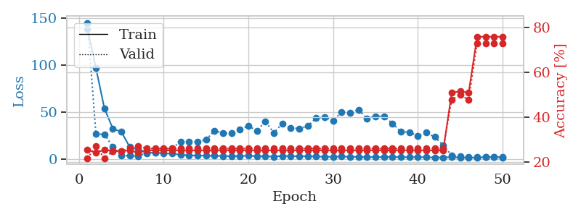
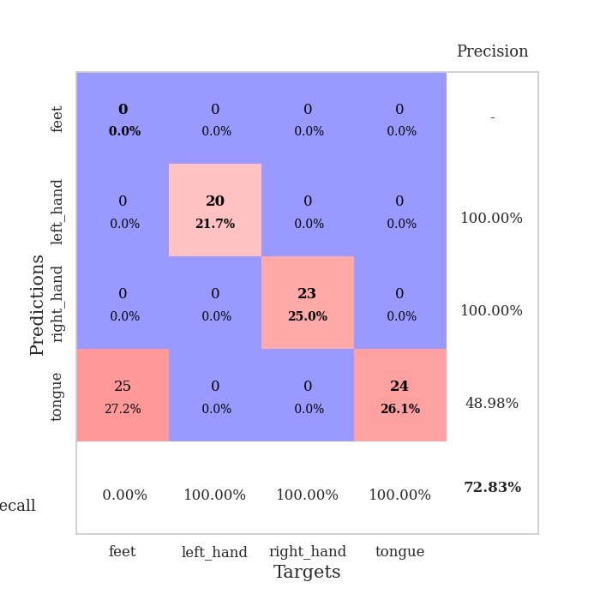
train_loss | valid_loss | train_accuracy | valid_accuracy | dur | train_misclass | valid_misclass
138.36392937 | 144.70825262 | 0.25543478261 | 0.21739130435 | 0.038287639618 | 25.543478261 | 21.739130435
96.503131866 | 26.367557526 | 0.24184782609 | 0.27173913043 | 0.036691665649 | 24.184782609 | 27.173913043
53.828034973 | 26.275361185 | 0.25543478261 | 0.21739130435 | 0.037177562714 | 25.543478261 | 21.739130435
32.084496307 | 12.824515633 | 0.25 | 0.25 | 0.035971641541 | 25 | 25
28.90679245 | 3.7044234276 | 0.25 | 0.25 | 0.038808822632 | 25 | 25
12.518989182 | 3.4601325367 | 0.2527173913 | 0.26086956522 | 0.036875963211 | 25.27173913 | 26.086956522
10.354948521 | 3.2103798597 | 0.24184782609 | 0.27173913043 | 0.036393880844 | 24.184782609 | 27.173913043
6.770676899 | 6.3415981583 | 0.2527173913 | 0.26086956522 | 0.036703586578 | 25.27173913 | 26.086956522
6.5811842918 | 6.9270135423 | 0.2527173913 | 0.26086956522 | 0.037886142731 | 25.27173913 | 26.086956522
6.1233551025 | 9.9571475568 | 0.2527173913 | 0.26086956522 | 0.038048028946 | 25.27173913 | 26.086956522
5.5872883797 | 11.140950783 | 0.2527173913 | 0.26086956522 | 0.038028001785 | 25.27173913 | 26.086956522
4.5064282417 | 18.588111877 | 0.2527173913 | 0.26086956522 | 0.038513660431 | 25.27173913 | 26.086956522
3.7833691597 | 18.033289204 | 0.2527173913 | 0.26086956522 | 0.038111448288 | 25.27173913 | 26.086956522
3.6523191452 | 18.245970353 | 0.2527173913 | 0.26086956522 | 0.039438247681 | 25.27173913 | 26.086956522
3.4721260548 | 20.266823064 | 0.2527173913 | 0.26086956522 | 0.038111925125 | 25.27173913 | 26.086956522
3.5216701031 | 30.124817475 | 0.2527173913 | 0.26086956522 | 0.037873983383 | 25.27173913 | 26.086956522
3.0680779934 | 27.402285949 | 0.2527173913 | 0.26086956522 | 0.037530183792 | 25.27173913 | 26.086956522
2.9733006477 | 27.486010344 | 0.2527173913 | 0.26086956522 | 0.038221120834 | 25.27173913 | 26.086956522
3.0208915234 | 31.294148984 | 0.2527173913 | 0.26086956522 | 0.037415266037 | 25.27173913 | 26.086956522
3.6106433868 | 35.259663789 | 0.2527173913 | 0.26086956522 | 0.037692308426 | 25.27173913 | 26.086956522
2.7855365276 | 29.819144125 | 0.2527173913 | 0.26086956522 | 0.037872076035 | 25.27173913 | 26.086956522
2.8710978031 | 40.053423508 | 0.2527173913 | 0.26086956522 | 0.037267208099 | 25.27173913 | 26.086956522
2.4624381304 | 27.74304249 | 0.2527173913 | 0.26086956522 | 0.039070129395 | 25.27173913 | 26.086956522
3.2350119591 | 37.705267699 | 0.2527173913 | 0.26086956522 | 0.036156177521 | 25.27173913 | 26.086956522
3.0488616943 | 32.872496066 | 0.2527173913 | 0.26086956522 | 0.036175966263 | 25.27173913 | 26.086956522
2.8454810619 | 32.330798191 | 0.2527173913 | 0.26086956522 | 0.036426782608 | 25.27173913 | 26.086956522
2.8528981686 | 34.897541544 | 0.2527173913 | 0.26086956522 | 0.038308143616 | 25.27173913 | 26.086956522
2.6089148045 | 43.39456409 | 0.2527173913 | 0.26086956522 | 0.03622508049 | 25.27173913 | 26.086956522
2.2383498669 | 44.411284074 | 0.2527173913 | 0.26086956522 | 0.037168741226 | 25.27173913 | 26.086956522
2.3040635586 | 40.795740376 | 0.2527173913 | 0.26086956522 | 0.036441087723 | 25.27173913 | 26.086956522
2.5345909834 | 49.838771488 | 0.2527173913 | 0.26086956522 | 0.038075685501 | 25.27173913 | 26.086956522
2.338841629 | 48.992986596 | 0.2527173913 | 0.26086956522 | 0.037863016129 | 25.27173913 | 26.086956522
2.1637536287 | 52.420562744 | 0.2527173913 | 0.26086956522 | 0.038591623306 | 25.27173913 | 26.086956522
1.910461545 | 43.002533125 | 0.2527173913 | 0.26086956522 | 0.038105487823 | 25.27173913 | 26.086956522
2.1633223295 | 45.569868005 | 0.2527173913 | 0.26086956522 | 0.039345264435 | 25.27173913 | 26.086956522
1.8874047995 | 45.290067092 | 0.2527173913 | 0.26086956522 | 0.037838459015 | 25.27173913 | 26.086956522
2.214823103 | 37.839818374 | 0.2527173913 | 0.26086956522 | 0.03740644455 | 25.27173913 | 26.086956522
1.9532183647 | 28.894104419 | 0.2527173913 | 0.26086956522 | 0.036536216736 | 25.27173913 | 26.086956522
1.7737107038 | 28.507159109 | 0.2527173913 | 0.26086956522 | 0.036520242691 | 25.27173913 | 26.086956522
1.9839636087 | 24.440593637 | 0.2527173913 | 0.26086956522 | 0.036636352539 | 25.27173913 | 26.086956522
1.7820812225 | 27.981890388 | 0.2527173913 | 0.26086956522 | 0.036682367325 | 25.27173913 | 26.086956522
1.5579352617 | 23.446658093 | 0.2527173913 | 0.26086956522 | 0.036467313766 | 25.27173913 | 26.086956522
1.7315362453 | 14.436737143 | 0.2527173913 | 0.26086956522 | 0.036432981491 | 25.27173913 | 26.086956522
1.8929053307 | 3.9605213041 | 0.50815217391 | 0.47826086957 | 0.036629676819 | 50.815217391 | 47.826086957
1.5396749258 | 2.6189312313 | 0.51630434783 | 0.5 | 0.037267446518 | 51.630434783 | 50
1.544806838 | 1.9041651332 | 0.50815217391 | 0.47826086957 | 0.036989212036 | 50.815217391 | 47.826086957
1.4078131914 | 2.4604677895 | 0.75815217391 | 0.72826086957 | 0.037307739258 | 75.815217391 | 72.826086957
1.8158347845 | 2.1039705017 | 0.75815217391 | 0.72826086957 | 0.036983728409 | 75.815217391 | 72.826086957
2.0213834524 | 1.8988141132 | 0.75815217391 | 0.72826086957 | 0.038047552109 | 75.815217391 | 72.826086957
1.8984316349 | 1.5444807954 | 0.75815217391 | 0.72826086957 | 0.037300348282 | 75.815217391 | 72.826086957

Best Val accuracy is 0.7282608695652174 and Best test accuracy is 0.7327586206896551

Sheet4
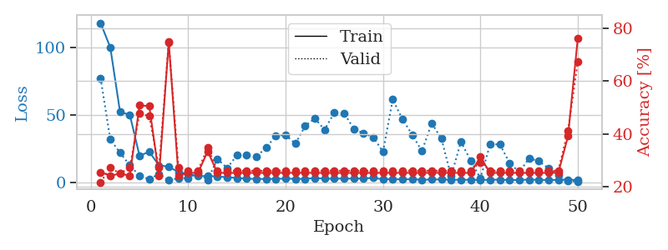
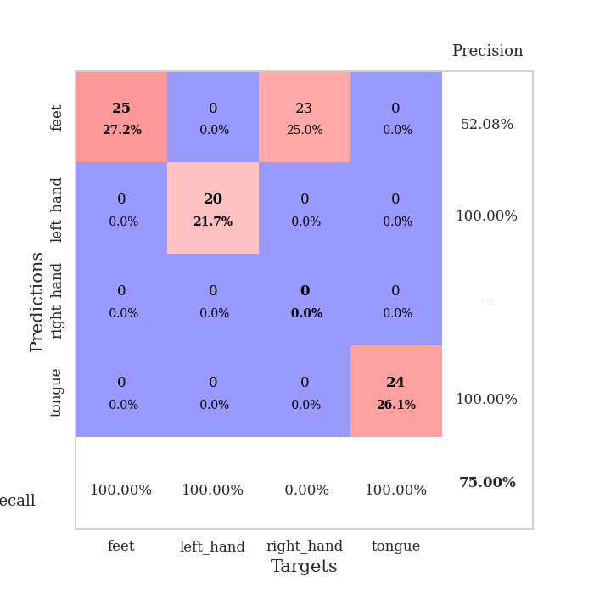
train_loss | valid_loss | train_accuracy | valid_accuracy | dur | train_misclass | valid_misclass
117.9496027 | 77.017321711 | 0.25543478261 | 0.21739130435 | 0.03755736351 | 25.543478261 | 21.739130435
99.78447113 | 31.582701476 | 0.24184782609 | 0.27173913043 | 0.03627538681 | 24.184782609 | 27.173913043
51.967058563 | 21.84735124 | 0.25 | 0.25 | 0.037084817886 | 25 | 25
49.925320435 | 12.475678817 | 0.24184782609 | 0.27173913043 | 0.037195920944 | 24.184782609 | 27.173913043
19.587084389 | 4.742417491 | 0.50815217391 | 0.47826086957 | 0.037670373917 | 50.815217391 | 47.826086957
22.525962448 | 2.1807518109 | 0.50543478261 | 0.46739130435 | 0.037497997284 | 50.543478261 | 46.739130435
12.35390234 | 6.1584242116 | 0.24184782609 | 0.27173913043 | 0.037587881088 | 24.184782609 | 27.173913043
11.520432377 | 1.4559709559 | 0.7472826087 | 0.75 | 0.03770160675 | 74.72826087 | 75
7.3383488178 | 2.9888265859 | 0.24184782609 | 0.27173913043 | 0.037313222885 | 24.184782609 | 27.173913043
6.0764199257 | 3.0283571119 | 0.2527173913 | 0.26086956522 | 0.037518024445 | 25.27173913 | 26.086956522
4.3793634415 | 6.8160523332 | 0.2527173913 | 0.26086956522 | 0.037009477615 | 25.27173913 | 26.086956522
4.6458368778 | 1.6369440607 | 0.33423913043 | 0.34782608696 | 0.036499977112 | 33.423913043 | 34.782608696
4.2032094955 | 17.196366849 | 0.2527173913 | 0.26086956522 | 0.037053346634 | 25.27173913 | 26.086956522
3.6824803352 | 10.4240687 | 0.2527173913 | 0.26086956522 | 0.037013053894 | 25.27173913 | 26.086956522
3.125136137 | 19.970645158 | 0.2527173913 | 0.26086956522 | 0.038051366806 | 25.27173913 | 26.086956522
2.5396103382 | 20.042873383 | 0.2527173913 | 0.26086956522 | 0.037665843964 | 25.27173913 | 26.086956522
2.4305801868 | 18.999500192 | 0.2527173913 | 0.26086956522 | 0.036877632141 | 25.27173913 | 26.086956522
2.3320100307 | 25.463613842 | 0.2527173913 | 0.26086956522 | 0.037088632584 | 25.27173913 | 26.086956522
2.4294645309 | 34.523262521 | 0.2527173913 | 0.26086956522 | 0.037922382355 | 25.27173913 | 26.086956522
2.684555769 | 34.950531669 | 0.2527173913 | 0.26086956522 | 0.037350893021 | 25.27173913 | 26.086956522
2.4647553444 | 28.463732097 | 0.2527173913 | 0.26086956522 | 0.038035869598 | 25.27173913 | 26.086956522
2.4594015121 | 41.509245831 | 0.2527173913 | 0.26086956522 | 0.037273168564 | 25.27173913 | 26.086956522
3.0928686142 | 47.253884191 | 0.2527173913 | 0.26086956522 | 0.037117481232 | 25.27173913 | 26.086956522
2.5878929138 | 38.836869945 | 0.2527173913 | 0.26086956522 | 0.037481069565 | 25.27173913 | 26.086956522
2.6021263123 | 51.463433307 | 0.2527173913 | 0.26086956522 | 0.03790640831 | 25.27173913 | 26.086956522
2.6970767736 | 51.125641864 | 0.2527173913 | 0.26086956522 | 0.036693811417 | 25.27173913 | 26.086956522
2.5984396935 | 39.558679829 | 0.2527173913 | 0.26086956522 | 0.036726713181 | 25.27173913 | 26.086956522
2.7484421253 | 36.27272863 | 0.2527173913 | 0.26086956522 | 0.036885976791 | 25.27173913 | 26.086956522
3.1665501118 | 33.293457114 | 0.2527173913 | 0.26086956522 | 0.03759264946 | 25.27173913 | 26.086956522
2.1482510805 | 22.537572529 | 0.2527173913 | 0.26086956522 | 0.037666559219 | 25.27173913 | 26.086956522
2.2246078014 | 61.190508303 | 0.2527173913 | 0.26086956522 | 0.038552761078 | 25.27173913 | 26.086956522
2.0630494118 | 46.635870063 | 0.2527173913 | 0.26086956522 | 0.036782979965 | 25.27173913 | 26.086956522
2.2134848833 | 35.154020392 | 0.2527173913 | 0.26086956522 | 0.037211894989 | 25.27173913 | 26.086956522
1.7529221296 | 22.957708525 | 0.2527173913 | 0.26086956522 | 0.037200450897 | 25.27173913 | 26.086956522
1.9791176081 | 43.704249009 | 0.2527173913 | 0.26086956522 | 0.037526845932 | 25.27173913 | 26.086956522
2.0001397848 | 32.24707363 | 0.2527173913 | 0.26086956522 | 0.039047241211 | 25.27173913 | 26.086956522
1.7305155993 | 4.3904033744 | 0.2527173913 | 0.26086956522 | 0.036949157715 | 25.27173913 | 26.086956522
1.7691329479 | 29.961005252 | 0.2527173913 | 0.26086956522 | 0.036972284317 | 25.27173913 | 26.086956522
1.7277444601 | 16.106820272 | 0.2527173913 | 0.26086956522 | 0.037419319153 | 25.27173913 | 26.086956522
1.6273992062 | 2.8170203644 | 0.3125 | 0.29347826087 | 0.036846160889 | 31.25 | 29.347826087
1.7193771839 | 27.999846997 | 0.2527173913 | 0.26086956522 | 0.037476062775 | 25.27173913 | 26.086956522
1.8982051611 | 28.017157679 | 0.2527173913 | 0.26086956522 | 0.037475585938 | 25.27173913 | 26.086956522
1.541914463 | 14.205398021 | 0.2527173913 | 0.26086956522 | 0.037435054779 | 25.27173913 | 26.086956522
1.6840962887 | 7.4535487631 | 0.2527173913 | 0.26086956522 | 0.03834271431 | 25.27173913 | 26.086956522
1.9060646296 | 17.624370326 | 0.2527173913 | 0.26086956522 | 0.037528276443 | 25.27173913 | 26.086956522
1.6760270834 | 15.644069091 | 0.2527173913 | 0.26086956522 | 0.038508892059 | 25.27173913 | 26.086956522
1.5318246126 | 10.191498383 | 0.2527173913 | 0.26086956522 | 0.03733086586 | 25.27173913 | 26.086956522
1.6930060148 | 5.2130569997 | 0.2527173913 | 0.26086956522 | 0.036991119385 | 25.27173913 | 26.086956522
1.8514890432 | 0.83480809305 | 0.39130434783 | 0.41304347826 | 0.037158727646 | 39.130434783 | 41.304347826
1.622217083 | 0.52837229812 | 0.76086956522 | 0.67391304348 | 0.037762880325 | 76.086956522 | 67.391304348

Best Val accuracy is 0.75 and Best test accuracy is 0.75

Sheet5
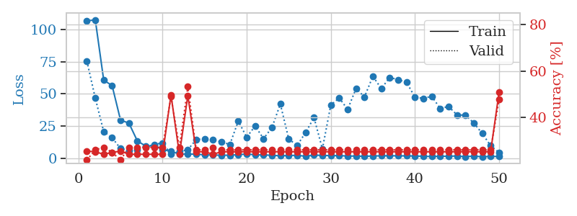
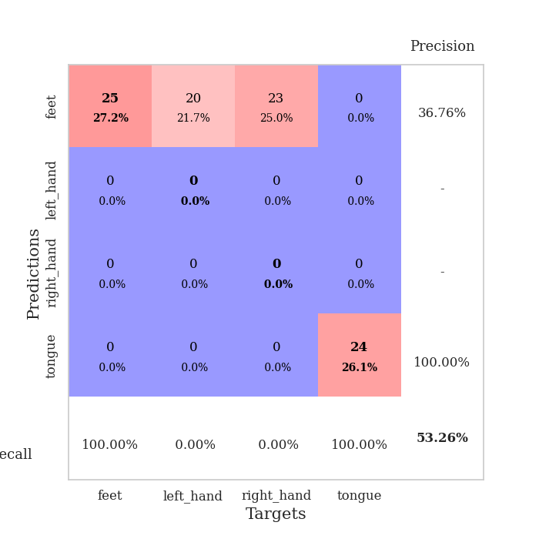
train_loss | valid_loss | train_accuracy | valid_accuracy | dur | train_misclass | valid_misclass
106.4561985 | 75.388667563 | 0.25543478261 | 0.21739130435 | 0.038204431534 | 25.543478261 | 21.739130435
107.31131134 | 46.752736299 | 0.2527173913 | 0.26086956522 | 0.037081003189 | 25.27173913 | 26.086956522
60.659707642 | 20.777090985 | 0.24184782609 | 0.27173913043 | 0.036859512329 | 24.184782609 | 27.173913043
56.407388306 | 16.124677492 | 0.25 | 0.25 | 0.036960124969 | 25 | 25
29.735623932 | 7.7092158691 | 0.25543478261 | 0.21739130435 | 0.036894083023 | 25.543478261 | 21.739130435
27.399241257 | 6.3311272911 | 0.24184782609 | 0.27173913043 | 0.03680896759 | 24.184782609 | 27.173913043
13.612696075 | 6.7660640219 | 0.24184782609 | 0.27173913043 | 0.037231206894 | 24.184782609 | 27.173913043
9.6221728802 | 8.7822400383 | 0.24184782609 | 0.27173913043 | 0.037653923035 | 24.184782609 | 27.173913043
9.9004026413 | 10.957553739 | 0.24184782609 | 0.27173913043 | 0.037542104721 | 24.184782609 | 27.173913043
7.0280824661 | 12.072259696 | 0.24184782609 | 0.27173913043 | 0.037536382675 | 24.184782609 | 27.173913043
5.422013855 | 3.4661129869 | 0.4972826087 | 0.48913043478 | 0.036677122116 | 49.72826087 | 48.913043478
3.5619360447 | 5.4431187588 | 0.24184782609 | 0.27173913043 | 0.036967277527 | 24.184782609 | 27.173913043
3.4768069744 | 6.8267611835 | 0.49456521739 | 0.53260869565 | 0.037189722061 | 49.456521739 | 53.260869565
3.3892726898 | 14.627101152 | 0.2527173913 | 0.26086956522 | 0.037565231323 | 25.27173913 | 26.086956522
2.8508322239 | 15.418971891 | 0.2527173913 | 0.26086956522 | 0.036569595337 | 25.27173913 | 26.086956522
2.7126657963 | 14.819814641 | 0.24184782609 | 0.27173913043 | 0.037845373154 | 24.184782609 | 27.173913043
2.5535485744 | 12.8393133 | 0.2527173913 | 0.26086956522 | 0.037137508392 | 25.27173913 | 26.086956522
2.5960182667 | 10.912977799 | 0.2527173913 | 0.26086956522 | 0.03623175621 | 25.27173913 | 26.086956522
2.9741396427 | 28.997009443 | 0.2527173913 | 0.26086956522 | 0.036293506622 | 25.27173913 | 26.086956522
3.5235468864 | 16.465427482 | 0.2527173913 | 0.26086956522 | 0.036191940308 | 25.27173913 | 26.086956522
2.9092519283 | 25.160923751 | 0.2527173913 | 0.26086956522 | 0.036119222641 | 25.27173913 | 26.086956522
2.7726342678 | 15.366747276 | 0.2527173913 | 0.26086956522 | 0.036475658417 | 25.27173913 | 26.086956522
2.5241838932 | 23.946126938 | 0.2527173913 | 0.26086956522 | 0.036682844162 | 25.27173913 | 26.086956522
2.0900367022 | 42.174281742 | 0.2527173913 | 0.26086956522 | 0.036204099655 | 25.27173913 | 26.086956522
2.3674228191 | 15.034508747 | 0.2527173913 | 0.26086956522 | 0.036528587341 | 25.27173913 | 26.086956522
2.4986273289 | 10.183020094 | 0.2527173913 | 0.26086956522 | 0.036257743835 | 25.27173913 | 26.086956522
1.7601614952 | 20.07682734 | 0.2527173913 | 0.26086956522 | 0.036495923996 | 25.27173913 | 26.086956522
2.6170127869 | 31.690933476 | 0.2527173913 | 0.26086956522 | 0.03631567955 | 25.27173913 | 26.086956522
2.4487966061 | 7.4184881501 | 0.2527173913 | 0.26086956522 | 0.037472009659 | 25.27173913 | 26.086956522
2.2282022953 | 41.431662684 | 0.2527173913 | 0.26086956522 | 0.037347555161 | 25.27173913 | 26.086956522
2.3242353439 | 46.850921133 | 0.2527173913 | 0.26086956522 | 0.036599397659 | 25.27173913 | 26.086956522
1.8838953972 | 38.02429166 | 0.2527173913 | 0.26086956522 | 0.038532018661 | 25.27173913 | 26.086956522
1.9650200129 | 54.162641774 | 0.2527173913 | 0.26086956522 | 0.037548542023 | 25.27173913 | 26.086956522
1.6929544926 | 47.675536944 | 0.2527173913 | 0.26086956522 | 0.037081003189 | 25.27173913 | 26.086956522
2.0243811131 | 63.614722376 | 0.2527173913 | 0.26086956522 | 0.037007570267 | 25.27173913 | 26.086956522
2.0757733583 | 54.129539158 | 0.2527173913 | 0.26086956522 | 0.037912607193 | 25.27173913 | 26.086956522
2.1783143997 | 62.670810036 | 0.2527173913 | 0.26086956522 | 0.036593198776 | 25.27173913 | 26.086956522
2.0611312151 | 61.061652474 | 0.2527173913 | 0.26086956522 | 0.037275314331 | 25.27173913 | 26.086956522
2.0747123003 | 58.981434366 | 0.2527173913 | 0.26086956522 | 0.036925792694 | 25.27173913 | 26.086956522
1.9687316895 | 47.466631516 | 0.2527173913 | 0.26086956522 | 0.037702083588 | 25.27173913 | 26.086956522
1.7511900187 | 46.546825575 | 0.2527173913 | 0.26086956522 | 0.037019968033 | 25.27173913 | 26.086956522
1.5498844147 | 48.18863877 | 0.2527173913 | 0.26086956522 | 0.037836790085 | 25.27173913 | 26.086956522
1.7685718894 | 38.706114396 | 0.2527173913 | 0.26086956522 | 0.037019491196 | 25.27173913 | 26.086956522
1.7953783512 | 40.25849417 | 0.2527173913 | 0.26086956522 | 0.037002801895 | 25.27173913 | 26.086956522
1.9901527166 | 33.751859665 | 0.2527173913 | 0.26086956522 | 0.037152767181 | 25.27173913 | 26.086956522
1.4627947092 | 33.585230869 | 0.2527173913 | 0.26086956522 | 0.036664009094 | 25.27173913 | 26.086956522
1.8793427706 | 27.467684704 | 0.2527173913 | 0.26086956522 | 0.036983966827 | 25.27173913 | 26.086956522
1.364047122 | 19.39267598 | 0.2527173913 | 0.26086956522 | 0.036943912506 | 25.27173913 | 26.086956522
1.6263828516 | 9.9247381376 | 0.2527173913 | 0.26086956522 | 0.036640882492 | 25.27173913 | 26.086956522
1.578724575 | 4.6886819549 | 0.50815217391 | 0.47826086957 | 0.036448478699 | 50.815217391 | 47.826086957

Best Val accuracy is 0.532608695652174 and Best test accuracy is 0.49137931034482757

Sheet6
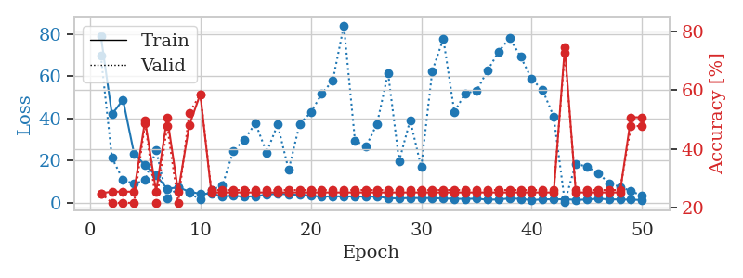
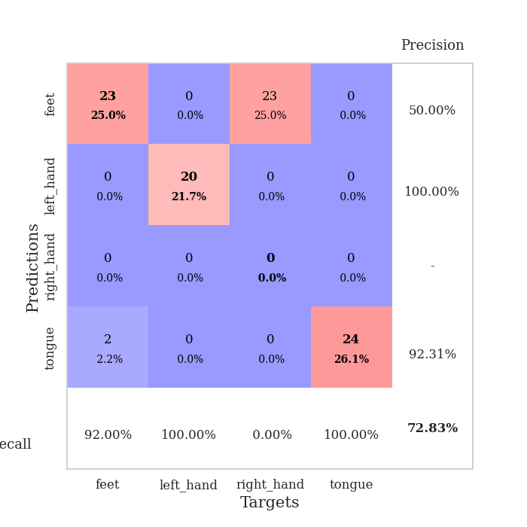
train_loss | valid_loss | train_accuracy | valid_accuracy | dur | train_misclass | valid_misclass
79.020796967 | 69.671677299 | 0.25 | 0.25 | 0.038402080536 | 25 | 25
41.966966248 | 21.361830089 | 0.25543478261 | 0.21739130435 | 0.036411523819 | 25.543478261 | 21.739130435
48.904464722 | 10.964136829 | 0.25543478261 | 0.21739130435 | 0.036788702011 | 25.543478261 | 21.739130435
23.442937279 | 9.0271224976 | 0.25543478261 | 0.21739130435 | 0.036707639694 | 25.543478261 | 21.739130435
17.841187477 | 10.757455867 | 0.4972826087 | 0.48913043478 | 0.036950588226 | 49.72826087 | 48.913043478
13.014202976 | 24.914896924 | 0.25543478261 | 0.21739130435 | 0.037446022034 | 25.543478261 | 21.739130435
6.7688605309 | 2.0844154773 | 0.50815217391 | 0.47826086957 | 0.036579370499 | 50.815217391 | 47.826086957
7.3646945953 | 7.4686675694 | 0.25543478261 | 0.21739130435 | 0.03723526001 | 25.543478261 | 21.739130435
5.4233181 | 4.7181567938 | 0.48097826087 | 0.52173913043 | 0.036895751953 | 48.097826087 | 52.173913043
4.3081412792 | 1.6637459216 | 0.58695652174 | 0.58695652174 | 0.037514448166 | 58.695652174 | 58.695652174
4.417087841 | 6.2284880306 | 0.2527173913 | 0.26086956522 | 0.038176298141 | 25.27173913 | 26.086956522
3.1531641483 | 8.2006424199 | 0.2527173913 | 0.26086956522 | 0.036688566208 | 25.27173913 | 26.086956522
3.4756052017 | 24.755174886 | 0.2527173913 | 0.26086956522 | 0.037154912949 | 25.27173913 | 26.086956522
2.9337896347 | 30.036064894 | 0.2527173913 | 0.26086956522 | 0.037581205368 | 25.27173913 | 26.086956522
3.2751554489 | 37.829090616 | 0.2527173913 | 0.26086956522 | 0.036044120789 | 25.27173913 | 26.086956522
3.8896406651 | 23.847336562 | 0.2527173913 | 0.26086956522 | 0.037268161774 | 25.27173913 | 26.086956522
4.4399522305 | 37.151553942 | 0.2527173913 | 0.26086956522 | 0.03711938858 | 25.27173913 | 26.086956522
4.0608291149 | 15.686365625 | 0.2527173913 | 0.26086956522 | 0.03651881218 | 25.27173913 | 26.086956522
3.7931519985 | 37.436360069 | 0.2527173913 | 0.26086956522 | 0.037425994873 | 25.27173913 | 26.086956522
3.5779230833 | 42.8267945 | 0.2527173913 | 0.26086956522 | 0.037346601486 | 25.27173913 | 26.086956522
2.8936287403 | 51.738691081 | 0.2527173913 | 0.26086956522 | 0.03617811203 | 25.27173913 | 26.086956522
3.2462539911 | 58.021975642 | 0.2527173913 | 0.26086956522 | 0.036814451218 | 25.27173913 | 26.086956522
3.0198383808 | 84.09150729 | 0.2527173913 | 0.26086956522 | 0.036444425583 | 25.27173913 | 26.086956522
3.1522010326 | 29.61012973 | 0.2527173913 | 0.26086956522 | 0.03658747673 | 25.27173913 | 26.086956522
2.9591080189 | 26.727293761 | 0.2527173913 | 0.26086956522 | 0.035997867584 | 25.27173913 | 26.086956522
3.079422617 | 37.485566015 | 0.2527173913 | 0.26086956522 | 0.036245822906 | 25.27173913 | 26.086956522
2.2777777195 | 61.6692004 | 0.2527173913 | 0.26086956522 | 0.036683797836 | 25.27173913 | 26.086956522
2.1638875961 | 19.847931986 | 0.2527173913 | 0.26086956522 | 0.036284923553 | 25.27173913 | 26.086956522
2.3709546328 | 39.209016551 | 0.2527173913 | 0.26086956522 | 0.036148071289 | 25.27173913 | 26.086956522
2.3061135769 | 16.928242476 | 0.2527173913 | 0.26086956522 | 0.036113262177 | 25.27173913 | 26.086956522
2.3090679407 | 62.46634276 | 0.2527173913 | 0.26086956522 | 0.036080598831 | 25.27173913 | 26.086956522
2.1096862316 | 77.822194307 | 0.2527173913 | 0.26086956522 | 0.036193132401 | 25.27173913 | 26.086956522
1.9666647673 | 43.179283142 | 0.2527173913 | 0.26086956522 | 0.03614783287 | 25.27173913 | 26.086956522
1.9363816261 | 52.016580333 | 0.2527173913 | 0.26086956522 | 0.036067724228 | 25.27173913 | 26.086956522
2.0148349762 | 53.040606126 | 0.2527173913 | 0.26086956522 | 0.036065578461 | 25.27173913 | 26.086956522
1.5574644327 | 62.672906461 | 0.2527173913 | 0.26086956522 | 0.036201238632 | 25.27173913 | 26.086956522
1.6385108709 | 71.55123437 | 0.2527173913 | 0.26086956522 | 0.036045074463 | 25.27173913 | 26.086956522
2.1504001617 | 78.156850732 | 0.2527173913 | 0.26086956522 | 0.037164926529 | 25.27173913 | 26.086956522
1.9274959326 | 69.307951886 | 0.2527173913 | 0.26086956522 | 0.036392450333 | 25.27173913 | 26.086956522
1.3269132614 | 58.681699504 | 0.2527173913 | 0.26086956522 | 0.036386489868 | 25.27173913 | 26.086956522
1.7213015556 | 53.420070648 | 0.2527173913 | 0.26086956522 | 0.03617477417 | 25.27173913 | 26.086956522
1.7211414099 | 40.815390048 | 0.2527173913 | 0.26086956522 | 0.036393880844 | 25.27173913 | 26.086956522
1.7530685425 | 0.5458101086 | 0.74456521739 | 0.72826086957 | 0.036154031754 | 74.456521739 | 72.826086957
1.4770356178 | 18.622481222 | 0.2527173913 | 0.26086956522 | 0.037173986435 | 25.27173913 | 26.086956522
1.5750484228 | 17.136147126 | 0.2527173913 | 0.26086956522 | 0.036139249802 | 25.27173913 | 26.086956522
2.0480269909 | 14.246033669 | 0.2527173913 | 0.26086956522 | 0.036283969879 | 25.27173913 | 26.086956522
1.7047450066 | 9.4139227245 | 0.2527173913 | 0.26086956522 | 0.036032438278 | 25.27173913 | 26.086956522
1.6419971704 | 7.5925377348 | 0.2527173913 | 0.26086956522 | 0.036092996597 | 25.27173913 | 26.086956522
1.5525158048 | 5.6856890761 | 0.50815217391 | 0.47826086957 | 0.03600025177 | 50.815217391 | 47.826086957
1.3943385363 | 3.3430259228 | 0.50815217391 | 0.47826086957 | 0.03605389595 | 50.815217391 | 47.826086957

Best Val accuracy is 0.7282608695652174 and Best test accuracy is 0.7327586206896551

Sheet7
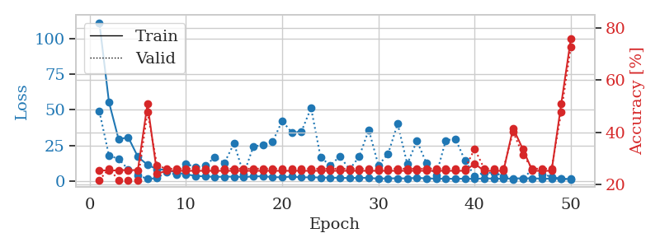
train_loss | valid_loss | train_accuracy | valid_accuracy | dur | train_misclass | valid_misclass
111.19896412 | 48.861176864 | 0.25543478261 | 0.21739130435 | 0.038910388947 | 25.543478261 | 21.739130435
55.295852661 | 17.762173819 | 0.2527173913 | 0.26086956522 | 0.036841392517 | 25.27173913 | 26.086956522
29.309404755 | 15.613103784 | 0.25543478261 | 0.21739130435 | 0.037802457809 | 25.543478261 | 21.739130435
30.679076004 | 8.0726708122 | 0.25543478261 | 0.21739130435 | 0.038111686707 | 25.543478261 | 21.739130435
17.013425446 | 4.0403021419 | 0.25543478261 | 0.21739130435 | 0.037424564362 | 25.543478261 | 21.739130435
11.365292168 | 1.4662097174 | 0.50815217391 | 0.47826086957 | 0.036061286926 | 50.815217391 | 47.826086957
8.2365321159 | 1.9611685587 | 0.24184782609 | 0.27173913043 | 0.036942005157 | 24.184782609 | 27.173913043
7.8766325951 | 6.3696629275 | 0.2527173913 | 0.26086956522 | 0.036804914474 | 25.27173913 | 26.086956522
5.9281075954 | 4.2825106953 | 0.2527173913 | 0.26086956522 | 0.036024570465 | 25.27173913 | 26.086956522
4.7245743275 | 12.12194422 | 0.2527173913 | 0.26086956522 | 0.035996437073 | 25.27173913 | 26.086956522
3.5478427887 | 9.7379776499 | 0.2527173913 | 0.26086956522 | 0.035842895508 | 25.27173913 | 26.086956522
3.213863802 | 10.699929652 | 0.2527173913 | 0.26086956522 | 0.036044597626 | 25.27173913 | 26.086956522
2.8717068434 | 16.706575725 | 0.2527173913 | 0.26086956522 | 0.036597728729 | 25.27173913 | 26.086956522
2.9999946117 | 12.79977956 | 0.2527173913 | 0.26086956522 | 0.037082433701 | 25.27173913 | 26.086956522
3.043443203 | 26.45126492 | 0.2527173913 | 0.26086956522 | 0.036255598068 | 25.27173913 | 26.086956522
2.7746413708 | 4.6110900796 | 0.2527173913 | 0.26086956522 | 0.038327217102 | 25.27173913 | 26.086956522
3.1999623775 | 24.21705105 | 0.2527173913 | 0.26086956522 | 0.035791158676 | 25.27173913 | 26.086956522
3.3276046276 | 25.273836302 | 0.2527173913 | 0.26086956522 | 0.036467552185 | 25.27173913 | 26.086956522
2.6931175709 | 27.535103674 | 0.2527173913 | 0.26086956522 | 0.038984775543 | 25.27173913 | 26.086956522
2.6140038013 | 42.18259347 | 0.2527173913 | 0.26086956522 | 0.036329746246 | 25.27173913 | 26.086956522
3.0984804153 | 34.056593356 | 0.2527173913 | 0.26086956522 | 0.0364112854 | 25.27173913 | 26.086956522
2.5339610815 | 34.689513663 | 0.2527173913 | 0.26086956522 | 0.036514520645 | 25.27173913 | 26.086956522
2.6260621071 | 51.320039335 | 0.2527173913 | 0.26086956522 | 0.036098957062 | 25.27173913 | 26.086956522
2.4307638168 | 16.405335219 | 0.2527173913 | 0.26086956522 | 0.036100387573 | 25.27173913 | 26.086956522
2.2936097622 | 11.120209279 | 0.2527173913 | 0.26086956522 | 0.036578655243 | 25.27173913 | 26.086956522
2.2921665907 | 17.291222697 | 0.2527173913 | 0.26086956522 | 0.035965204239 | 25.27173913 | 26.086956522
2.0113350391 | 8.153208857 | 0.2527173913 | 0.26086956522 | 0.035947322845 | 25.27173913 | 26.086956522
2.3717217922 | 17.016664837 | 0.2527173913 | 0.26086956522 | 0.036098718643 | 25.27173913 | 26.086956522
2.1073193789 | 35.911418583 | 0.2527173913 | 0.26086956522 | 0.035985469818 | 25.27173913 | 26.086956522
1.7187520742 | 11.098209008 | 0.2527173913 | 0.26086956522 | 0.036227464676 | 25.27173913 | 26.086956522
1.8553445816 | 18.928933766 | 0.2527173913 | 0.26086956522 | 0.036048173904 | 25.27173913 | 26.086956522
1.9036894083 | 40.173918019 | 0.2527173913 | 0.26086956522 | 0.035978078842 | 25.27173913 | 26.086956522
1.8154764891 | 11.89924746 | 0.2527173913 | 0.26086956522 | 0.03612780571 | 25.27173913 | 26.086956522
2.2426828146 | 28.145622005 | 0.2527173913 | 0.26086956522 | 0.036937952042 | 25.27173913 | 26.086956522
1.8401732683 | 12.374652614 | 0.2527173913 | 0.26086956522 | 0.036255598068 | 25.27173913 | 26.086956522
1.7019484758 | 3.9594068424 | 0.2527173913 | 0.26086956522 | 0.036373615265 | 25.27173913 | 26.086956522
1.6689623117 | 28.514032115 | 0.2527173913 | 0.26086956522 | 0.036033391953 | 25.27173913 | 26.086956522
1.5040025353 | 29.628140906 | 0.2527173913 | 0.26086956522 | 0.038133859634 | 25.27173913 | 26.086956522
1.7144947529 | 14.379918306 | 0.2527173913 | 0.26086956522 | 0.036085367203 | 25.27173913 | 26.086956522
1.424853158 | 3.5335933333 | 0.27989130435 | 0.33695652174 | 0.035658597946 | 27.989130435 | 33.695652174
1.8915905237 | 5.9333115661 | 0.2527173913 | 0.26086956522 | 0.036579608917 | 25.27173913 | 26.086956522
1.6334431887 | 5.7292735266 | 0.2527173913 | 0.26086956522 | 0.035876989365 | 25.27173913 | 26.086956522
1.5706040144 | 3.5835110001 | 0.2527173913 | 0.26086956522 | 0.037194728851 | 25.27173913 | 26.086956522
1.8135752201 | 1.2069369036 | 0.41576086957 | 0.40217391304 | 0.036957263947 | 41.576086957 | 40.217391304
1.8716305256 | 1.7662223422 | 0.33695652174 | 0.3152173913 | 0.037749290466 | 33.695652174 | 31.52173913
1.870325017 | 7.9335677105 | 0.2527173913 | 0.26086956522 | 0.037657499313 | 25.27173913 | 26.086956522
1.6506672621 | 4.7842523741 | 0.2527173913 | 0.26086956522 | 0.036794900894 | 25.27173913 | 26.086956522
1.5722248077 | 3.055692113 | 0.2527173913 | 0.26086956522 | 0.036614179611 | 25.27173913 | 26.086956522
1.6209297895 | 1.4629716044 | 0.50815217391 | 0.47826086957 | 0.03658080101 | 50.815217391 | 47.826086957
1.363154912 | 1.2358720458 | 0.75815217391 | 0.72826086957 | 0.036445856094 | 75.815217391 | 72.826086957

Best Val accuracy is 0.7282608695652174 and Best test accuracy is 0.7413793103448276

Sheet8
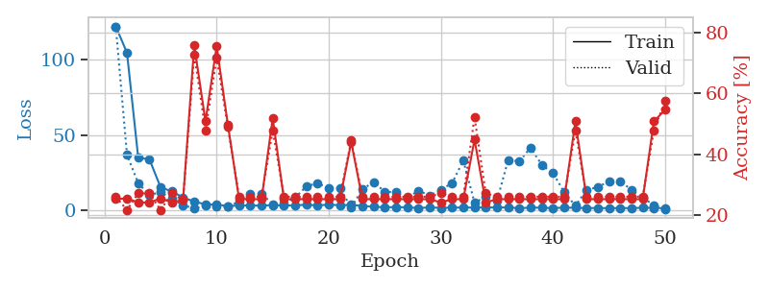
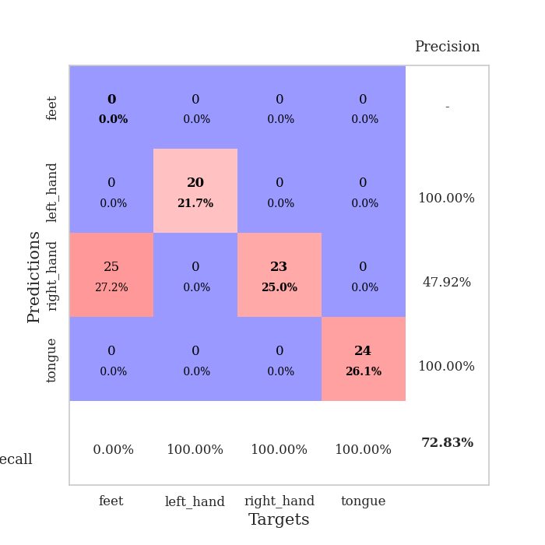
train_loss | valid_loss | train_accuracy | valid_accuracy | dur | train_misclass | valid_misclass
122.10500374 | 121.98508785 | 0.2527173913 | 0.26086956522 | 0.039257287979 | 25.27173913 | 26.086956522
104.60783844 | 36.918650254 | 0.25543478261 | 0.21739130435 | 0.036553144455 | 25.543478261 | 21.739130435
34.977514267 | 17.962350514 | 0.24184782609 | 0.27173913043 | 0.036411523819 | 24.184782609 | 27.173913043
33.898575211 | 10.180353165 | 0.24184782609 | 0.27173913043 | 0.038160800934 | 24.184782609 | 27.173913043
15.271160507 | 12.016509968 | 0.25543478261 | 0.21739130435 | 0.037130594254 | 25.543478261 | 21.739130435
12.550120735 | 7.6834752456 | 0.24184782609 | 0.27173913043 | 0.037481069565 | 24.184782609 | 27.173913043
8.5833022118 | 3.3884316009 | 0.25 | 0.25 | 0.036935329437 | 25 | 25
5.7759665966 | 1.2806058811 | 0.75815217391 | 0.72826086957 | 0.036871433258 | 75.815217391 | 72.826086957
4.0430057049 | 3.1421765141 | 0.50815217391 | 0.47826086957 | 0.037479400635 | 50.815217391 | 47.826086957
3.7814172745 | 2.8488812965 | 0.75543478261 | 0.71739130435 | 0.037750720978 | 75.543478261 | 71.739130435
2.8943747997 | 2.4174265551 | 0.4972826087 | 0.48913043478 | 0.037462234497 | 49.72826087 | 48.913043478
3.2221774578 | 5.9170070938 | 0.2527173913 | 0.26086956522 | 0.037618875504 | 25.27173913 | 26.086956522
3.2916685581 | 10.797817479 | 0.2527173913 | 0.26086956522 | 0.036445379257 | 25.27173913 | 26.086956522
3.0377280235 | 11.010430502 | 0.2527173913 | 0.26086956522 | 0.037790298462 | 25.27173913 | 26.086956522
3.5758608341 | 4.1845791858 | 0.51902173913 | 0.47826086957 | 0.0372402668 | 51.902173913 | 47.826086957
3.1339119434 | 4.8440436488 | 0.2527173913 | 0.26086956522 | 0.037783145905 | 25.27173913 | 26.086956522
3.3021002293 | 8.3212146137 | 0.2527173913 | 0.26086956522 | 0.037474393845 | 25.27173913 | 26.086956522
3.7571530819 | 16.029318975 | 0.2527173913 | 0.26086956522 | 0.036912202835 | 25.27173913 | 26.086956522
3.2860958576 | 17.97136539 | 0.2527173913 | 0.26086956522 | 0.036416292191 | 25.27173913 | 26.086956522
3.7954235554 | 14.80372744 | 0.2527173913 | 0.26086956522 | 0.037060499191 | 25.27173913 | 26.086956522
3.3689394712 | 14.602387179 | 0.2527173913 | 0.26086956522 | 0.036991119385 | 25.27173913 | 26.086956522
3.6179388523 | 1.787097226 | 0.4402173913 | 0.44565217391 | 0.037218809128 | 44.02173913 | 44.565217391
2.9170325279 | 14.234383832 | 0.2527173913 | 0.26086956522 | 0.037268161774 | 25.27173913 | 26.086956522
2.4528204679 | 18.539005528 | 0.2527173913 | 0.26086956522 | 0.037929773331 | 25.27173913 | 26.086956522
1.9678530455 | 12.440330796 | 0.2527173913 | 0.26086956522 | 0.036765813828 | 25.27173913 | 26.086956522
2.2304796696 | 11.970204353 | 0.2527173913 | 0.26086956522 | 0.036290884018 | 25.27173913 | 26.086956522
1.9516204119 | 8.4972106685 | 0.2527173913 | 0.26086956522 | 0.037223100662 | 25.27173913 | 26.086956522
1.5545878887 | 12.943491106 | 0.2527173913 | 0.26086956522 | 0.037859916687 | 25.27173913 | 26.086956522
1.9270234823 | 9.9393742603 | 0.2527173913 | 0.26086956522 | 0.03761100769 | 25.27173913 | 26.086956522
1.6578384399 | 13.690056262 | 0.24184782609 | 0.27173913043 | 0.039159059525 | 24.184782609 | 27.173913043
1.74891994 | 18.09566589 | 0.2527173913 | 0.26086956522 | 0.03680229187 | 25.27173913 | 26.086956522
1.9339197397 | 33.073189196 | 0.2527173913 | 0.26086956522 | 0.035990715027 | 25.27173913 | 26.086956522
1.7950218201 | 5.1749527558 | 0.44836956522 | 0.52173913043 | 0.036638736725 | 44.836956522 | 52.173913043
1.9544473886 | 8.8814573703 | 0.24184782609 | 0.27173913043 | 0.036922216415 | 24.184782609 | 27.173913043
1.8606696367 | 6.2941916715 | 0.2527173913 | 0.26086956522 | 0.037049055099 | 25.27173913 | 26.086956522
1.9366965771 | 33.440955038 | 0.2527173913 | 0.26086956522 | 0.036408185959 | 25.27173913 | 26.086956522
1.4295127153 | 32.534688369 | 0.2527173913 | 0.26086956522 | 0.036974906921 | 25.27173913 | 26.086956522
1.8220690966 | 41.650022258 | 0.2527173913 | 0.26086956522 | 0.036759138107 | 25.27173913 | 26.086956522
1.7486702681 | 30.172157205 | 0.2527173913 | 0.26086956522 | 0.036782979965 | 25.27173913 | 26.086956522
1.4819591045 | 24.711067117 | 0.2527173913 | 0.26086956522 | 0.036996603012 | 25.27173913 | 26.086956522
1.8181136608 | 12.076561057 | 0.2527173913 | 0.26086956522 | 0.037034511566 | 25.27173913 | 26.086956522
1.6925108433 | 3.0262565716 | 0.50815217391 | 0.47826086957 | 0.036326646805 | 50.815217391 | 47.826086957
1.4757546186 | 13.515977155 | 0.2527173913 | 0.26086956522 | 0.037233829498 | 25.27173913 | 26.086956522
1.589140892 | 15.461400778 | 0.2527173913 | 0.26086956522 | 0.037105083466 | 25.27173913 | 26.086956522
1.4081983089 | 19.315194835 | 0.2527173913 | 0.26086956522 | 0.036352396011 | 25.27173913 | 26.086956522
1.5444924593 | 19.35740388 | 0.2527173913 | 0.26086956522 | 0.036657094955 | 25.27173913 | 26.086956522
1.4458654523 | 13.594351768 | 0.2527173913 | 0.26086956522 | 0.037015199661 | 25.27173913 | 26.086956522
1.7513427496 | 8.2838507943 | 0.2527173913 | 0.26086956522 | 0.036042928696 | 25.27173913 | 26.086956522
1.6265575647 | 3.5120911702 | 0.50815217391 | 0.47826086957 | 0.036507606506 | 50.815217391 | 47.826086957
1.4395888567 | 0.87532232378 | 0.54619565217 | 0.57608695652 | 0.036661863327 | 54.619565217 | 57.608695652

Best Val accuracy is 0.7282608695652174 and Best test accuracy is 0.7413793103448276

Sheet9
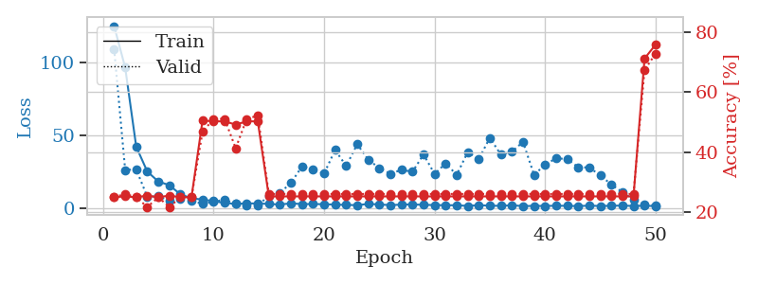
train_loss | valid_loss | train_accuracy | valid_accuracy | dur | train_misclass | valid_misclass
125.06431656 | 109.42144444 | 0.25 | 0.25 | 0.038934469223 | 25 | 25
96.604710388 | 26.217063821 | 0.2527173913 | 0.26086956522 | 0.036560058594 | 25.27173913 | 26.086956522
42.237663269 | 26.689986519 | 0.25 | 0.25 | 0.037880897522 | 25 | 25
25.179644966 | 7.8401967132 | 0.25543478261 | 0.21739130435 | 0.039921045303 | 25.543478261 | 21.739130435
18.333911896 | 8.2154909631 | 0.25 | 0.25 | 0.036883831024 | 25 | 25
15.799336433 | 5.03844483 | 0.25543478261 | 0.21739130435 | 0.038774728775 | 25.543478261 | 21.739130435
9.5050841808 | 6.4343745812 | 0.25 | 0.25 | 0.040988206863 | 25 | 25
6.8663331032 | 5.1589072062 | 0.25 | 0.25 | 0.039449214935 | 25 | 25
5.88462286 | 2.973478452 | 0.50543478261 | 0.46739130435 | 0.038076162338 | 50.543478261 | 46.739130435
4.8953296661 | 4.5096177122 | 0.5027173913 | 0.51086956522 | 0.03741145134 | 50.27173913 | 51.086956522
3.5455195427 | 5.8284599885 | 0.5027173913 | 0.51086956522 | 0.037109613419 | 50.27173913 | 51.086956522
3.0201027393 | 3.0813820569 | 0.49184782609 | 0.41304347826 | 0.03889131546 | 49.184782609 | 41.304347826
3.2958129883 | 2.1418823678 | 0.5027173913 | 0.51086956522 | 0.037603139877 | 50.27173913 | 51.086956522
3.2539017439 | 1.9247299692 | 0.5027173913 | 0.52173913043 | 0.038296461105 | 50.27173913 | 52.173913043
2.9783274174 | 8.459824023 | 0.2527173913 | 0.26086956522 | 0.037528514862 | 25.27173913 | 26.086956522
2.4905400276 | 10.500099514 | 0.2527173913 | 0.26086956522 | 0.037088871002 | 25.27173913 | 26.086956522
3.3824967384 | 17.385127358 | 0.2527173913 | 0.26086956522 | 0.037389755249 | 25.27173913 | 26.086956522
2.8006311893 | 28.622087479 | 0.2527173913 | 0.26086956522 | 0.038276433945 | 25.27173913 | 26.086956522
2.8847241163 | 26.564172081 | 0.2527173913 | 0.26086956522 | 0.037736177444 | 25.27173913 | 26.086956522
2.7333363056 | 23.756617836 | 0.2527173913 | 0.26086956522 | 0.037273168564 | 25.27173913 | 26.086956522
2.5058169842 | 39.969062142 | 0.2527173913 | 0.26086956522 | 0.037253379822 | 25.27173913 | 26.086956522
2.2476062298 | 29.021960798 | 0.2527173913 | 0.26086956522 | 0.037644863129 | 25.27173913 | 26.086956522
2.0998471498 | 43.87770462 | 0.2527173913 | 0.26086956522 | 0.037685394287 | 25.27173913 | 26.086956522
2.9317772388 | 33.321589428 | 0.2527173913 | 0.26086956522 | 0.03657412529 | 25.27173913 | 26.086956522
2.6016122818 | 27.529279792 | 0.2527173913 | 0.26086956522 | 0.037719488144 | 25.27173913 | 26.086956522
2.0879835606 | 23.680319828 | 0.2527173913 | 0.26086956522 | 0.038040399551 | 25.27173913 | 26.086956522
2.4825612545 | 26.32173107 | 0.2527173913 | 0.26086956522 | 0.037916183472 | 25.27173913 | 26.086956522
2.6085180521 | 25.017775909 | 0.2527173913 | 0.26086956522 | 0.038012504578 | 25.27173913 | 26.086956522
2.2783921957 | 36.909756868 | 0.2527173913 | 0.26086956522 | 0.037297964096 | 25.27173913 | 26.086956522
2.185289216 | 23.529608851 | 0.2527173913 | 0.26086956522 | 0.037395715714 | 25.27173913 | 26.086956522
2.0322598934 | 30.803651478 | 0.2527173913 | 0.26086956522 | 0.037476062775 | 25.27173913 | 26.086956522
2.0374716997 | 22.885686045 | 0.2527173913 | 0.26086956522 | 0.036986112595 | 25.27173913 | 26.086956522
1.5649595499 | 38.561613 | 0.2527173913 | 0.26086956522 | 0.037309408188 | 25.27173913 | 26.086956522
2.0740679264 | 33.772493777 | 0.2527173913 | 0.26086956522 | 0.037235021591 | 25.27173913 | 26.086956522
1.7186837912 | 48.329211194 | 0.2527173913 | 0.26086956522 | 0.038534641266 | 25.27173913 | 26.086956522
1.6280861855 | 36.756693135 | 0.2527173913 | 0.26086956522 | 0.037315130234 | 25.27173913 | 26.086956522
1.9714691401 | 38.744513802 | 0.2527173913 | 0.26086956522 | 0.038803815842 | 25.27173913 | 26.086956522
1.4780866623 | 45.553775787 | 0.2527173913 | 0.26086956522 | 0.037346601486 | 25.27173913 | 26.086956522
1.5804564953 | 22.929302133 | 0.2527173913 | 0.26086956522 | 0.037527561188 | 25.27173913 | 26.086956522
1.55321486 | 29.827184428 | 0.2527173913 | 0.26086956522 | 0.038310527802 | 25.27173913 | 26.086956522
1.6911367655 | 34.307042495 | 0.2527173913 | 0.26086956522 | 0.037120580673 | 25.27173913 | 26.086956522
1.6164919853 | 33.705700252 | 0.2527173913 | 0.26086956522 | 0.037746667862 | 25.27173913 | 26.086956522
1.4609826565 | 28.227122597 | 0.2527173913 | 0.26086956522 | 0.039472818375 | 25.27173913 | 26.086956522
1.7663254976 | 27.898086465 | 0.2527173913 | 0.26086956522 | 0.039040088654 | 25.27173913 | 26.086956522
1.5059740543 | 22.539793015 | 0.2527173913 | 0.26086956522 | 0.03772187233 | 25.27173913 | 26.086956522
1.6738377571 | 16.217869303 | 0.2527173913 | 0.26086956522 | 0.036622285843 | 25.27173913 | 26.086956522
1.7966145754 | 11.010013622 | 0.2527173913 | 0.26086956522 | 0.03662443161 | 25.27173913 | 26.086956522
1.5166407585 | 5.8464695889 | 0.2527173913 | 0.26086956522 | 0.036228179932 | 25.27173913 | 26.086956522
1.7172839403 | 2.8166842357 | 0.71195652174 | 0.67391304348 | 0.036116123199 | 71.195652174 | 67.391304348
1.4273474693 | 1.6428987306 | 0.75815217391 | 0.72826086957 | 0.036631345749 | 75.815217391 | 72.826086957

Best Val accuracy is 0.7282608695652174 and Best test accuracy is 0.7413793103448276

Sheet10
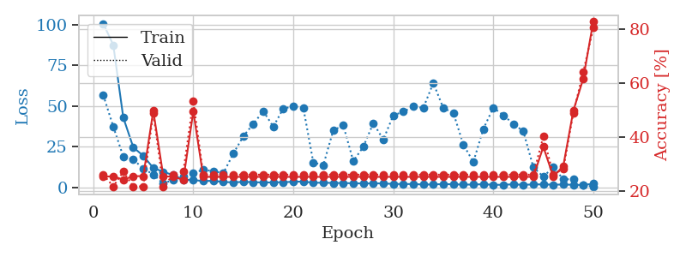
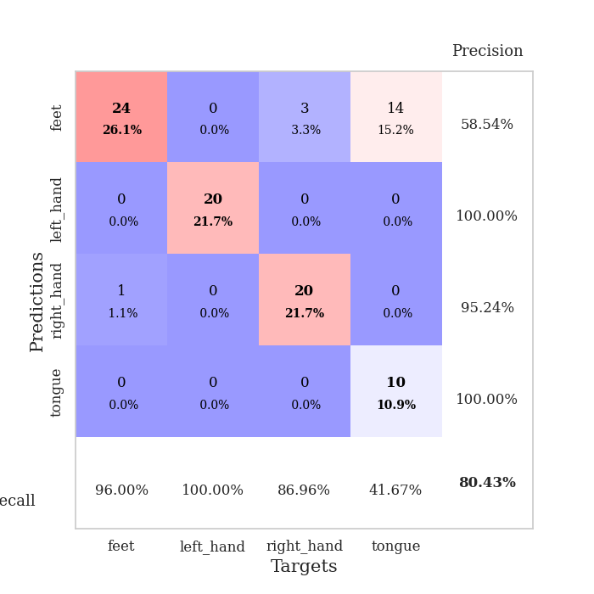
train_loss | valid_loss | train_accuracy | valid_accuracy | dur | train_misclass | valid_misclass
100.75417366 | 56.688377215 | 0.2527173913 | 0.26086956522 | 0.038393974304 | 25.27173913 | 26.086956522
87.562745667 | 37.280718596 | 0.25543478261 | 0.21739130435 | 0.036162853241 | 25.543478261 | 21.739130435
42.859727097 | 18.861811928 | 0.24184782609 | 0.27173913043 | 0.035616874695 | 24.184782609 | 27.173913043
24.573394012 | 17.070456629 | 0.25543478261 | 0.21739130435 | 0.03609251976 | 25.543478261 | 21.739130435
19.32368679 | 11.426272724 | 0.25543478261 | 0.21739130435 | 0.035591363907 | 25.543478261 | 21.739130435
11.864180565 | 7.8821952654 | 0.4972826087 | 0.48913043478 | 0.0364112854 | 49.72826087 | 48.913043478
9.508819294 | 2.1631864257 | 0.25543478261 | 0.21739130435 | 0.035918235779 | 25.543478261 | 21.739130435
7.4169265747 | 4.7175791989 | 0.2527173913 | 0.26086956522 | 0.035821199417 | 25.27173913 | 26.086956522
4.7374707699 | 6.5715958968 | 0.24184782609 | 0.27173913043 | 0.036054849625 | 24.184782609 | 27.173913043
4.4128214836 | 8.8528131817 | 0.49456521739 | 0.53260869565 | 0.036056518555 | 49.456521739 | 53.260869565
3.79454422 | 10.711584091 | 0.2527173913 | 0.26086956522 | 0.036237716675 | 25.27173913 | 26.086956522
3.9531882286 | 9.8772015779 | 0.2527173913 | 0.26086956522 | 0.035833597183 | 25.27173913 | 26.086956522
3.1903627396 | 8.6039946805 | 0.2527173913 | 0.26086956522 | 0.035960435867 | 25.27173913 | 26.086956522
3.0038496494 | 20.662786152 | 0.2527173913 | 0.26086956522 | 0.035434484482 | 25.27173913 | 26.086956522
3.2676299095 | 31.329786052 | 0.2527173913 | 0.26086956522 | 0.035615921021 | 25.27173913 | 26.086956522
3.1326839447 | 39.002242876 | 0.2527173913 | 0.26086956522 | 0.036664247513 | 25.27173913 | 26.086956522
2.8814202309 | 46.840611002 | 0.2527173913 | 0.26086956522 | 0.036068439484 | 25.27173913 | 26.086956522
2.9875462055 | 37.27259213 | 0.2527173913 | 0.26086956522 | 0.036862850189 | 25.27173913 | 26.086956522
3.0909846783 | 48.446985162 | 0.2527173913 | 0.26086956522 | 0.036819696426 | 25.27173913 | 26.086956522
3.3507755756 | 49.747757953 | 0.2527173913 | 0.26086956522 | 0.035894632339 | 25.27173913 | 26.086956522
3.4961832523 | 48.936200681 | 0.2527173913 | 0.26086956522 | 0.03599357605 | 25.27173913 | 26.086956522
2.7257539511 | 15.245047113 | 0.2527173913 | 0.26086956522 | 0.03600859642 | 25.27173913 | 26.086956522
2.7765165329 | 13.550179274 | 0.2527173913 | 0.26086956522 | 0.035994052887 | 25.27173913 | 26.086956522
2.6148525715 | 35.092035708 | 0.2527173913 | 0.26086956522 | 0.03692150116 | 25.27173913 | 26.086956522
2.5620146275 | 38.021018982 | 0.2527173913 | 0.26086956522 | 0.036044836044 | 25.27173913 | 26.086956522
2.412259984 | 16.037867463 | 0.2527173913 | 0.26086956522 | 0.036039590836 | 25.27173913 | 26.086956522
2.3070470333 | 24.89590678 | 0.2527173913 | 0.26086956522 | 0.036078929901 | 25.27173913 | 26.086956522
2.3734080076 | 39.416616854 | 0.2527173913 | 0.26086956522 | 0.037170171738 | 25.27173913 | 26.086956522
2.3125403404 | 29.336439713 | 0.2527173913 | 0.26086956522 | 0.036317586899 | 25.27173913 | 26.086956522
2.0071782589 | 44.22036229 | 0.2527173913 | 0.26086956522 | 0.03674197197 | 25.27173913 | 26.086956522
1.9418238878 | 46.515990216 | 0.2527173913 | 0.26086956522 | 0.036594867706 | 25.27173913 | 26.086956522
1.9550800562 | 49.617133431 | 0.2527173913 | 0.26086956522 | 0.036684036255 | 25.27173913 | 26.086956522
1.6559691191 | 48.871531611 | 0.2527173913 | 0.26086956522 | 0.036177873611 | 25.27173913 | 26.086956522
1.7184815168 | 64.163754836 | 0.2527173913 | 0.26086956522 | 0.036068201065 | 25.27173913 | 26.086956522
1.9226002455 | 48.688895018 | 0.2527173913 | 0.26086956522 | 0.03623175621 | 25.27173913 | 26.086956522
1.8027907848 | 45.847116056 | 0.2527173913 | 0.26086956522 | 0.035928249359 | 25.27173913 | 26.086956522
1.6219603062 | 26.303509256 | 0.2527173913 | 0.26086956522 | 0.036825180054 | 25.27173913 | 26.086956522
1.6344916821 | 15.491948003 | 0.2527173913 | 0.26086956522 | 0.03651881218 | 25.27173913 | 26.086956522
1.8527098417 | 35.769541699 | 0.2527173913 | 0.26086956522 | 0.037024021149 | 25.27173913 | 26.086956522
1.4675959945 | 49.007696069 | 0.2527173913 | 0.26086956522 | 0.036009311676 | 25.27173913 | 26.086956522
1.5047500372 | 44.314985026 | 0.2527173913 | 0.26086956522 | 0.036274671555 | 25.27173913 | 26.086956522
1.7800761938 | 39.041448178 | 0.2527173913 | 0.26086956522 | 0.036551237106 | 25.27173913 | 26.086956522
1.4557797909 | 34.45052404 | 0.2527173913 | 0.26086956522 | 0.036779403687 | 25.27173913 | 26.086956522
1.7314220667 | 12.301287361 | 0.2527173913 | 0.26086956522 | 0.035814285278 | 25.27173913 | 26.086956522
1.7135994434 | 6.5154594131 | 0.36413043478 | 0.40217391304 | 0.036347389221 | 36.413043478 | 40.217391304
1.5742024422 | 12.347478659 | 0.2527173913 | 0.26086956522 | 0.035941123962 | 25.27173913 | 26.086956522
1.6323132753 | 4.880299734 | 0.29347826087 | 0.28260869565 | 0.036021709442 | 29.347826087 | 28.260869565
1.4988358974 | 4.9292616015 | 0.4972826087 | 0.48913043478 | 0.036269426346 | 49.72826087 | 48.913043478
1.399867034 | 1.2221029219 | 0.61684782609 | 0.64130434783 | 0.036297082901 | 61.684782609 | 64.130434783
2.1289836645 | 0.41837856951 | 0.82880434783 | 0.80434782609 | 0.036154508591 | 82.880434783 | 80.434782609

Best Val accuracy is 0.8043478260869565 and Best test accuracy is 0.8017241379310345

