Sheet
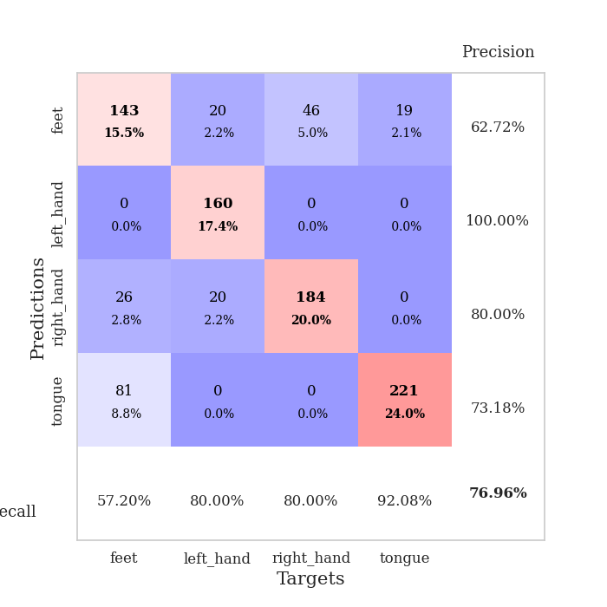
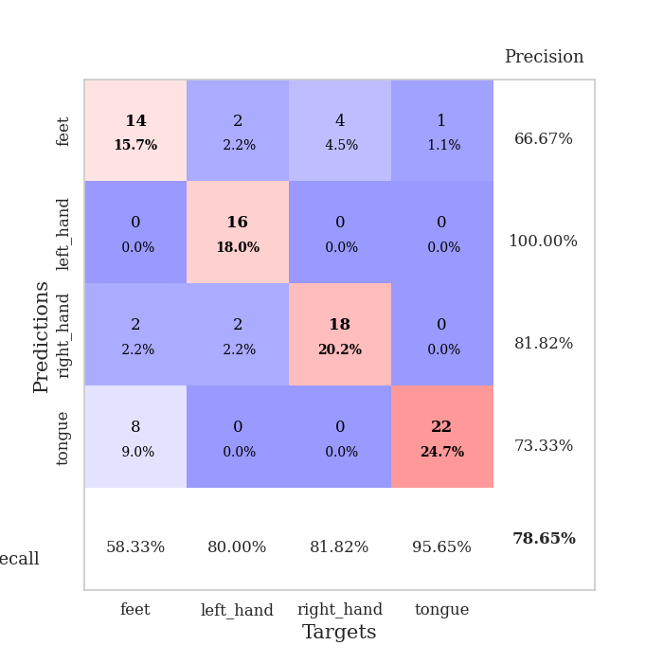
best_val_acc | best_val_los | best_test_acc
0.67391304348 | 0.81318676731 | 0.62931034483
0.72826086957 | 0.9047370864 | 0.74137931034
0.92391304348 | 0.23648805333 | 0.90517241379
0.53260869565 | 0.72670764508 | 0.49137931034
0.72826086957 | 0.41443178058 | 0.74137931034
0.72826086957 | 0.78075105988 | 0.74137931034
0.72826086957 | 1.1117823279 | 0.74137931034
0.6847826087 | 0.69710301575 | 0.68965517241
1 | 0.26791518603 | 1
0.96739130435 | 0.23235104071 | 0.9224137931

Mean,std Val accuracy is 0.7695652173913043 , 0.14733507541873808 and mean, std test accuracy is 0.7603448275862069 , 0.14930366403076306

Sheet1
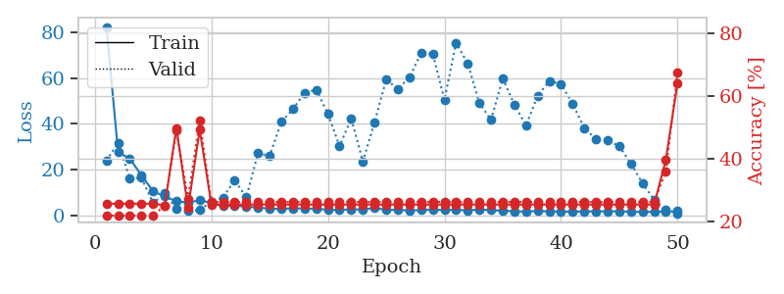
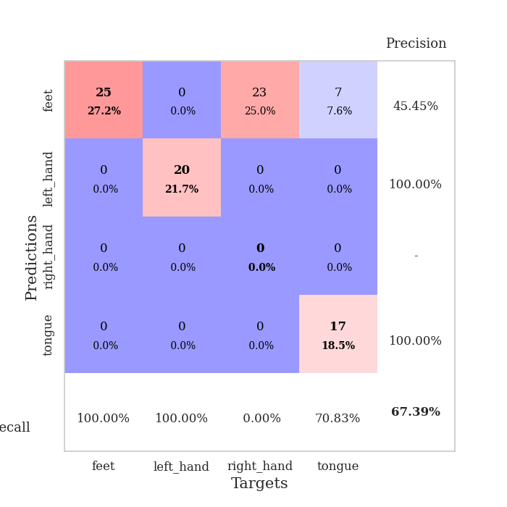
train_loss | valid_loss | train_accuracy | valid_accuracy | dur | train_misclass | valid_misclass
82.40349884 | 23.892137693 | 0.25543478261 | 0.21739130435 | 0.039848089218 | 25.543478261 | 21.739130435
27.537971497 | 31.660027711 | 0.25543478261 | 0.21739130435 | 0.036786556244 | 25.543478261 | 21.739130435
24.866530609 | 16.053619302 | 0.25543478261 | 0.21739130435 | 0.036676168442 | 25.543478261 | 21.739130435
17.453117943 | 16.393005869 | 0.25543478261 | 0.21739130435 | 0.036333322525 | 25.543478261 | 21.739130435
10.506304264 | 5.2439903384 | 0.25543478261 | 0.21739130435 | 0.037154912949 | 25.543478261 | 21.739130435
8.2231586456 | 9.5324925547 | 0.25 | 0.25 | 0.037709712982 | 25 | 25
6.0847001076 | 2.9256249822 | 0.4972826087 | 0.48913043478 | 0.03661608696 | 49.72826087 | 48.913043478
5.5679023266 | 1.7829179816 | 0.24184782609 | 0.27173913043 | 0.036881685257 | 24.184782609 | 27.173913043
6.5474404335 | 2.3144192696 | 0.49184782609 | 0.52173913043 | 0.036781311035 | 49.184782609 | 52.173913043
5.5022042274 | 6.0103089913 | 0.2527173913 | 0.26086956522 | 0.036852121353 | 25.27173913 | 26.086956522
3.9329790115 | 7.7388854649 | 0.2527173913 | 0.26086956522 | 0.036780834198 | 25.27173913 | 26.086956522
4.2026591301 | 15.381031783 | 0.2527173913 | 0.26086956522 | 0.036671161652 | 25.27173913 | 26.086956522
3.772859621 | 7.8161289796 | 0.2527173913 | 0.26086956522 | 0.036601066589 | 25.27173913 | 26.086956522
3.380348444 | 27.12973661 | 0.2527173913 | 0.26086956522 | 0.036823034286 | 25.27173913 | 26.086956522
2.8744527817 | 25.950796293 | 0.2527173913 | 0.26086956522 | 0.036526918411 | 25.27173913 | 26.086956522
2.8102229595 | 40.826091103 | 0.2527173913 | 0.26086956522 | 0.036728143692 | 25.27173913 | 26.086956522
3.0588563919 | 46.387668444 | 0.2527173913 | 0.26086956522 | 0.036731004715 | 25.27173913 | 26.086956522
2.9585018635 | 53.595757858 | 0.2527173913 | 0.26086956522 | 0.037137031555 | 25.27173913 | 26.086956522
2.8460527897 | 54.885834901 | 0.2527173913 | 0.26086956522 | 0.037351846695 | 25.27173913 | 26.086956522
2.4177458048 | 44.494017062 | 0.2527173913 | 0.26086956522 | 0.037520647049 | 25.27173913 | 26.086956522
2.3834331751 | 30.217906869 | 0.2527173913 | 0.26086956522 | 0.037157535553 | 25.27173913 | 26.086956522
2.5818226576 | 42.365482662 | 0.2527173913 | 0.26086956522 | 0.037202835083 | 25.27173913 | 26.086956522
2.5580809116 | 23.547329695 | 0.2527173913 | 0.26086956522 | 0.0367166996 | 25.27173913 | 26.086956522
3.2135854244 | 40.574488598 | 0.2527173913 | 0.26086956522 | 0.036814451218 | 25.27173913 | 26.086956522
2.3360882282 | 59.388861283 | 0.2527173913 | 0.26086956522 | 0.03698348999 | 25.27173913 | 26.086956522
2.4168991566 | 55.258506941 | 0.2527173913 | 0.26086956522 | 0.036726236343 | 25.27173913 | 26.086956522
2.0341001034 | 60.335520869 | 0.2527173913 | 0.26086956522 | 0.036557435989 | 25.27173913 | 26.086956522
2.3079845905 | 70.988324704 | 0.2527173913 | 0.26086956522 | 0.036775350571 | 25.27173913 | 26.086956522
2.4776519299 | 70.690558392 | 0.2527173913 | 0.26086956522 | 0.036384105682 | 25.27173913 | 26.086956522
2.3032994509 | 50.575014861 | 0.2527173913 | 0.26086956522 | 0.037136077881 | 25.27173913 | 26.086956522
2.4531610966 | 75.390271726 | 0.2527173913 | 0.26086956522 | 0.037251710892 | 25.27173913 | 26.086956522
2.0552277803 | 66.416983895 | 0.2527173913 | 0.26086956522 | 0.037139892578 | 25.27173913 | 26.086956522
2.6197528839 | 49.107735012 | 0.2527173913 | 0.26086956522 | 0.037025690079 | 25.27173913 | 26.086956522
2.2073117971 | 41.696633546 | 0.2527173913 | 0.26086956522 | 0.03681063652 | 25.27173913 | 26.086956522
2.0184702873 | 59.874052462 | 0.2527173913 | 0.26086956522 | 0.037459135056 | 25.27173913 | 26.086956522
1.6746374369 | 48.425530641 | 0.2527173913 | 0.26086956522 | 0.036678314209 | 25.27173913 | 26.086956522
1.6351397991 | 39.306008878 | 0.2527173913 | 0.26086956522 | 0.036915063858 | 25.27173913 | 26.086956522
1.8566008329 | 52.347403319 | 0.2527173913 | 0.26086956522 | 0.03697180748 | 25.27173913 | 26.086956522
1.7268569708 | 58.724369547 | 0.2527173913 | 0.26086956522 | 0.036522626877 | 25.27173913 | 26.086956522
1.6079249144 | 57.471885847 | 0.2527173913 | 0.26086956522 | 0.03714299202 | 25.27173913 | 26.086956522
1.541197896 | 48.798127216 | 0.2527173913 | 0.26086956522 | 0.036808490753 | 25.27173913 | 26.086956522
1.6759361267 | 38.121393287 | 0.2527173913 | 0.26086956522 | 0.037656068802 | 25.27173913 | 26.086956522
1.7078650236 | 33.330755317 | 0.2527173913 | 0.26086956522 | 0.037771940231 | 25.27173913 | 26.086956522
1.7011862278 | 32.822170258 | 0.2527173913 | 0.26086956522 | 0.037160396576 | 25.27173913 | 26.086956522
1.7189059973 | 30.180508075 | 0.2527173913 | 0.26086956522 | 0.036546945572 | 25.27173913 | 26.086956522
1.5339551926 | 22.657175313 | 0.2527173913 | 0.26086956522 | 0.036645650864 | 25.27173913 | 26.086956522
1.4026428461 | 13.92195287 | 0.2527173913 | 0.26086956522 | 0.037275791168 | 25.27173913 | 26.086956522
1.5497026443 | 6.8123180141 | 0.2527173913 | 0.26086956522 | 0.037030696869 | 25.27173913 | 26.086956522
1.5382411957 | 2.2572631525 | 0.39673913043 | 0.35869565217 | 0.03661608696 | 39.673913043 | 35.869565217
1.8155463219 | 0.81318676731 | 0.64130434783 | 0.67391304348 | 0.037522554398 | 64.130434783 | 67.391304348

Best Val accuracy is 0.6739130434782609 and Best test accuracy is 0.6293103448275862

Sheet2
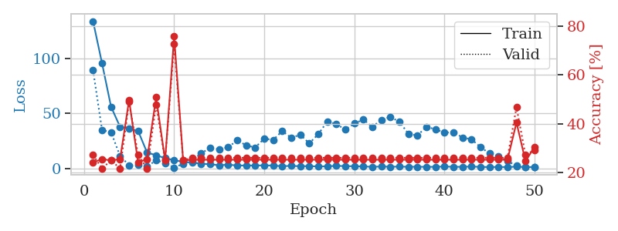
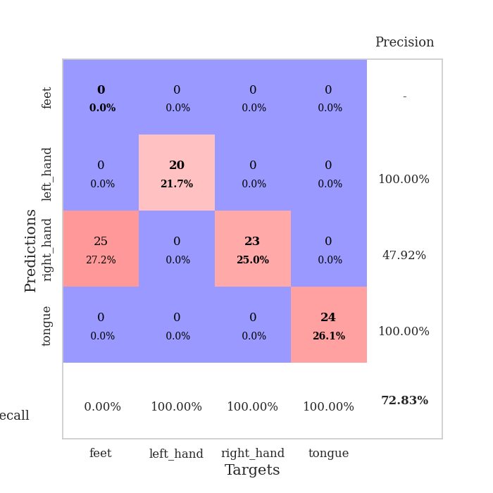
train_loss | valid_loss | train_accuracy | valid_accuracy | dur | train_misclass | valid_misclass
133.74405479 | 89.379348755 | 0.24184782609 | 0.27173913043 | 0.036781311035 | 24.184782609 | 27.173913043
95.495710754 | 34.938747572 | 0.25543478261 | 0.21739130435 | 0.035169124603 | 25.543478261 | 21.739130435
56.115097809 | 33.078451903 | 0.25 | 0.25 | 0.035566091537 | 25 | 25
37.897750854 | 11.463809884 | 0.25543478261 | 0.21739130435 | 0.035573005676 | 25.543478261 | 21.739130435
36.457774353 | 3.1422317339 | 0.4972826087 | 0.48913043478 | 0.035194635391 | 49.72826087 | 48.913043478
34.243528366 | 3.4847800421 | 0.24184782609 | 0.27173913043 | 0.035295724869 | 24.184782609 | 27.173913043
14.565983582 | 1.9672006731 | 0.25543478261 | 0.21739130435 | 0.03485584259 | 25.543478261 | 21.739130435
12.194777298 | 7.5923423352 | 0.50815217391 | 0.47826086957 | 0.035974025726 | 50.815217391 | 47.826086957
9.5236526489 | 5.25165222 | 0.25 | 0.25 | 0.034957647324 | 25 | 25
7.7321584702 | 0.9047370864 | 0.75815217391 | 0.72826086957 | 0.03528046608 | 75.815217391 | 72.826086957
6.1311265945 | 4.5365254983 | 0.25 | 0.25 | 0.035450458527 | 25 | 25
5.5148337364 | 7.3058170443 | 0.2527173913 | 0.26086956522 | 0.035249471664 | 25.27173913 | 26.086956522
4.5546165943 | 14.009710644 | 0.2527173913 | 0.26086956522 | 0.035455465317 | 25.27173913 | 26.086956522
3.9765013695 | 18.715121725 | 0.2527173913 | 0.26086956522 | 0.035790681839 | 25.27173913 | 26.086956522
3.1215810776 | 17.673456773 | 0.2527173913 | 0.26086956522 | 0.035744667053 | 25.27173913 | 26.086956522
3.6301550388 | 19.311834667 | 0.2527173913 | 0.26086956522 | 0.03577041626 | 25.27173913 | 26.086956522
2.8865782738 | 25.794043665 | 0.2527173913 | 0.26086956522 | 0.035690784454 | 25.27173913 | 26.086956522
2.9025492191 | 21.088482898 | 0.2527173913 | 0.26086956522 | 0.035742282867 | 25.27173913 | 26.086956522
2.834261322 | 19.221014437 | 0.2527173913 | 0.26086956522 | 0.03591132164 | 25.27173913 | 26.086956522
3.0560015202 | 27.250371021 | 0.2527173913 | 0.26086956522 | 0.035176992416 | 25.27173913 | 26.086956522
2.8038801193 | 26.103731321 | 0.2527173913 | 0.26086956522 | 0.035229206085 | 25.27173913 | 26.086956522
2.2197264671 | 34.176163217 | 0.2527173913 | 0.26086956522 | 0.035621404648 | 25.27173913 | 26.086956522
2.5859781742 | 27.935151722 | 0.2527173913 | 0.26086956522 | 0.035262107849 | 25.27173913 | 26.086956522
2.1789869308 | 30.802382096 | 0.2527173913 | 0.26086956522 | 0.035196781158 | 25.27173913 | 26.086956522
2.3386925459 | 22.959240291 | 0.2527173913 | 0.26086956522 | 0.035573720932 | 25.27173913 | 26.086956522
1.967462492 | 31.282694858 | 0.2527173913 | 0.26086956522 | 0.035111427307 | 25.27173913 | 26.086956522
2.1083983183 | 42.797132409 | 0.2527173913 | 0.26086956522 | 0.035205841064 | 25.27173913 | 26.086956522
2.5910559177 | 40.326762324 | 0.2527173913 | 0.26086956522 | 0.03599023819 | 25.27173913 | 26.086956522
2.3074473143 | 35.590362383 | 0.2527173913 | 0.26086956522 | 0.035262823105 | 25.27173913 | 26.086956522
2.2038612366 | 40.87861567 | 0.2527173913 | 0.26086956522 | 0.035322189331 | 25.27173913 | 26.086956522
1.9840502262 | 44.601752571 | 0.2527173913 | 0.26086956522 | 0.035212039948 | 25.27173913 | 26.086956522
1.6653510571 | 37.91299339 | 0.2527173913 | 0.26086956522 | 0.036321163177 | 25.27173913 | 26.086956522
1.8976302624 | 44.315329676 | 0.2527173913 | 0.26086956522 | 0.035421848297 | 25.27173913 | 26.086956522
1.7676367521 | 46.866574992 | 0.2527173913 | 0.26086956522 | 0.035714864731 | 25.27173913 | 26.086956522
1.8070247412 | 42.552798064 | 0.2527173913 | 0.26086956522 | 0.03640127182 | 25.27173913 | 26.086956522
1.7235926867 | 31.716574462 | 0.2527173913 | 0.26086956522 | 0.036012172699 | 25.27173913 | 26.086956522
1.7494391918 | 30.0243245 | 0.2527173913 | 0.26086956522 | 0.03603219986 | 25.27173913 | 26.086956522
1.639042592 | 37.99779892 | 0.2527173913 | 0.26086956522 | 0.036062240601 | 25.27173913 | 26.086956522
1.6641358376 | 35.685898656 | 0.2527173913 | 0.26086956522 | 0.03607916832 | 25.27173913 | 26.086956522
1.9246941805 | 32.610973275 | 0.2527173913 | 0.26086956522 | 0.035880327225 | 25.27173913 | 26.086956522
1.6862012386 | 33.069693192 | 0.2527173913 | 0.26086956522 | 0.036485433578 | 25.27173913 | 26.086956522
1.6508410454 | 28.292257392 | 0.2527173913 | 0.26086956522 | 0.035849094391 | 25.27173913 | 26.086956522
1.9032932281 | 26.66244059 | 0.2527173913 | 0.26086956522 | 0.03603553772 | 25.27173913 | 26.086956522
1.6127904177 | 19.620779203 | 0.2527173913 | 0.26086956522 | 0.036527395248 | 25.27173913 | 26.086956522
1.4579971075 | 13.774092384 | 0.2527173913 | 0.26086956522 | 0.036382913589 | 25.27173913 | 26.086956522
1.5725525141 | 11.324442407 | 0.2527173913 | 0.26086956522 | 0.036483049393 | 25.27173913 | 26.086956522
1.4473108053 | 6.6717104704 | 0.2527173913 | 0.26086956522 | 0.036113262177 | 25.27173913 | 26.086956522
1.8167480707 | 2.8157711133 | 0.40489130435 | 0.46739130435 | 0.035985946655 | 40.489130435 | 46.739130435
1.4616191387 | 1.1166798446 | 0.2472826087 | 0.27173913043 | 0.035861492157 | 24.72826087 | 27.173913043
1.5075280905 | 1.6176732623 | 0.30434782609 | 0.29347826087 | 0.036117553711 | 30.434782609 | 29.347826087

Best Val accuracy is 0.7282608695652174 and Best test accuracy is 0.7413793103448276

Sheet3
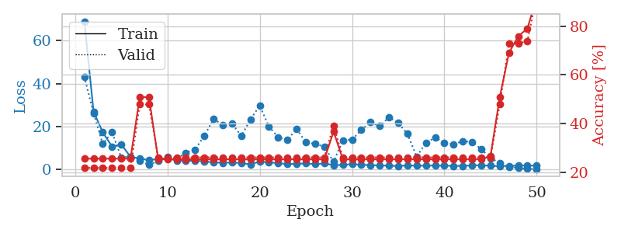
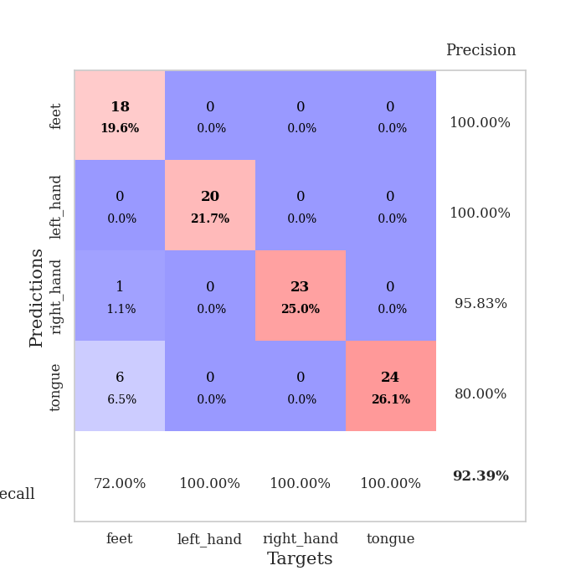
train_loss | valid_loss | train_accuracy | valid_accuracy | dur | train_misclass | valid_misclass
68.944682312 | 43.215749989 | 0.25543478261 | 0.21739130435 | 0.038861751556 | 25.543478261 | 21.739130435
27.001543045 | 26.198819119 | 0.25543478261 | 0.21739130435 | 0.037488222122 | 25.543478261 | 21.739130435
17.312425041 | 11.902737203 | 0.25543478261 | 0.21739130435 | 0.03647851944 | 25.543478261 | 21.739130435
10.761878681 | 17.418097206 | 0.25543478261 | 0.21739130435 | 0.036515712738 | 25.543478261 | 21.739130435
11.660483456 | 5.6363512329 | 0.25543478261 | 0.21739130435 | 0.036343574524 | 25.543478261 | 21.739130435
6.0252831459 | 6.0455304229 | 0.25543478261 | 0.21739130435 | 0.036560535431 | 25.543478261 | 21.739130435
5.1045325279 | 4.2382761914 | 0.50815217391 | 0.47826086957 | 0.036754608154 | 50.815217391 | 47.826086957
4.4549902439 | 2.1596958378 | 0.50815217391 | 0.47826086957 | 0.036929368973 | 50.815217391 | 47.826086957
4.9543812752 | 4.0442355508 | 0.2527173913 | 0.26086956522 | 0.036336183548 | 25.27173913 | 26.086956522
5.2751095772 | 5.7638305581 | 0.2527173913 | 0.26086956522 | 0.036602973938 | 25.27173913 | 26.086956522
4.2610595703 | 5.0048015014 | 0.2527173913 | 0.26086956522 | 0.036875486374 | 25.27173913 | 26.086956522
4.1221283436 | 7.8938500156 | 0.2527173913 | 0.26086956522 | 0.037096261978 | 25.27173913 | 26.086956522
4.1177689552 | 9.3209884478 | 0.2527173913 | 0.26086956522 | 0.035895586014 | 25.27173913 | 26.086956522
3.8692955971 | 15.765980057 | 0.2527173913 | 0.26086956522 | 0.036203622818 | 25.27173913 | 26.086956522
3.3317471981 | 23.505332781 | 0.2527173913 | 0.26086956522 | 0.036828517914 | 25.27173913 | 26.086956522
3.1800595284 | 20.817924002 | 0.2527173913 | 0.26086956522 | 0.037286520004 | 25.27173913 | 26.086956522
3.2985645771 | 21.469458953 | 0.2527173913 | 0.26086956522 | 0.036421537399 | 25.27173913 | 26.086956522
3.0745183468 | 15.608247052 | 0.2527173913 | 0.26086956522 | 0.036382198334 | 25.27173913 | 26.086956522
2.4630578518 | 23.356473591 | 0.2527173913 | 0.26086956522 | 0.036798238754 | 25.27173913 | 26.086956522
3.7707843304 | 29.778986641 | 0.2527173913 | 0.26086956522 | 0.036385059357 | 25.27173913 | 26.086956522
3.3733780861 | 19.94298512 | 0.2527173913 | 0.26086956522 | 0.037563323975 | 25.27173913 | 26.086956522
3.0251998425 | 15.067993703 | 0.2527173913 | 0.26086956522 | 0.036549806595 | 25.27173913 | 26.086956522
2.5729995489 | 13.846213838 | 0.2527173913 | 0.26086956522 | 0.036401510239 | 25.27173913 | 26.086956522
2.6972671032 | 18.960133345 | 0.2527173913 | 0.26086956522 | 0.036652803421 | 25.27173913 | 26.086956522
2.8965547085 | 12.674213326 | 0.2527173913 | 0.26086956522 | 0.037174224854 | 25.27173913 | 26.086956522
2.5219423056 | 11.967028618 | 0.2527173913 | 0.26086956522 | 0.036038637161 | 25.27173913 | 26.086956522
2.8904181004 | 10.720339941 | 0.2527173913 | 0.26086956522 | 0.036293029785 | 25.27173913 | 26.086956522
2.0850509405 | 3.6330286835 | 0.36684782609 | 0.39130434783 | 0.036757946014 | 36.684782609 | 39.130434783
2.2522877455 | 13.650121025 | 0.2527173913 | 0.26086956522 | 0.036769628525 | 25.27173913 | 26.086956522
2.5101606846 | 13.948928833 | 0.2527173913 | 0.26086956522 | 0.038163423538 | 25.27173913 | 26.086956522
2.230137682 | 18.427412365 | 0.2527173913 | 0.26086956522 | 0.038424730301 | 25.27173913 | 26.086956522
2.1114628077 | 22.094210252 | 0.2527173913 | 0.26086956522 | 0.039011240005 | 25.27173913 | 26.086956522
1.9110876083 | 20.196144933 | 0.2527173913 | 0.26086956522 | 0.038639783859 | 25.27173913 | 26.086956522
1.8499872446 | 24.343531567 | 0.2527173913 | 0.26086956522 | 0.039754629135 | 25.27173913 | 26.086956522
1.6428318977 | 21.712313362 | 0.2527173913 | 0.26086956522 | 0.038995504379 | 25.27173913 | 26.086956522
1.9719902754 | 16.594753721 | 0.2527173913 | 0.26086956522 | 0.039988279343 | 25.27173913 | 26.086956522
1.7830134869 | 6.0462403712 | 0.2527173913 | 0.26086956522 | 0.039586782455 | 25.27173913 | 26.086956522
1.8797192574 | 12.461284513 | 0.2527173913 | 0.26086956522 | 0.041496753693 | 25.27173913 | 26.086956522
1.8749609947 | 14.936630912 | 0.2527173913 | 0.26086956522 | 0.039660453796 | 25.27173913 | 26.086956522
1.8384788752 | 12.379453286 | 0.2527173913 | 0.26086956522 | 0.042375802994 | 25.27173913 | 26.086956522
1.7507014275 | 11.75262787 | 0.2527173913 | 0.26086956522 | 0.03938627243 | 25.27173913 | 26.086956522
1.6937469959 | 13.273800352 | 0.2527173913 | 0.26086956522 | 0.039307355881 | 25.27173913 | 26.086956522
1.9915832996 | 12.856096599 | 0.2527173913 | 0.26086956522 | 0.037959098816 | 25.27173913 | 26.086956522
2.0251297712 | 9.500930413 | 0.2527173913 | 0.26086956522 | 0.038285017014 | 25.27173913 | 26.086956522
1.7975064993 | 5.3593865478 | 0.26630434783 | 0.26086956522 | 0.03872179985 | 26.630434783 | 26.086956522
1.5740566015 | 3.1290023431 | 0.50815217391 | 0.47826086957 | 0.039419174194 | 50.815217391 | 47.826086957
1.7550650835 | 1.3049818588 | 0.6902173913 | 0.72826086957 | 0.037990808487 | 69.02173913 | 72.826086957
1.8721866846 | 0.75743179218 | 0.75815217391 | 0.72826086957 | 0.037733793259 | 75.815217391 | 72.826086957
1.9257735014 | 0.42156923724 | 0.79076086957 | 0.73913043478 | 0.037698745728 | 79.076086957 | 73.913043478
1.8236936808 | 0.23648805333 | 0.91847826087 | 0.92391304348 | 0.038380146027 | 91.847826087 | 92.391304348

Best Val accuracy is 0.9239130434782609 and Best test accuracy is 0.9051724137931034

Sheet4
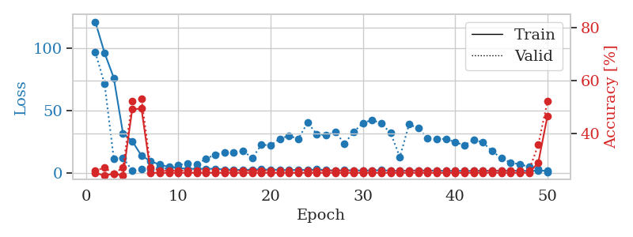
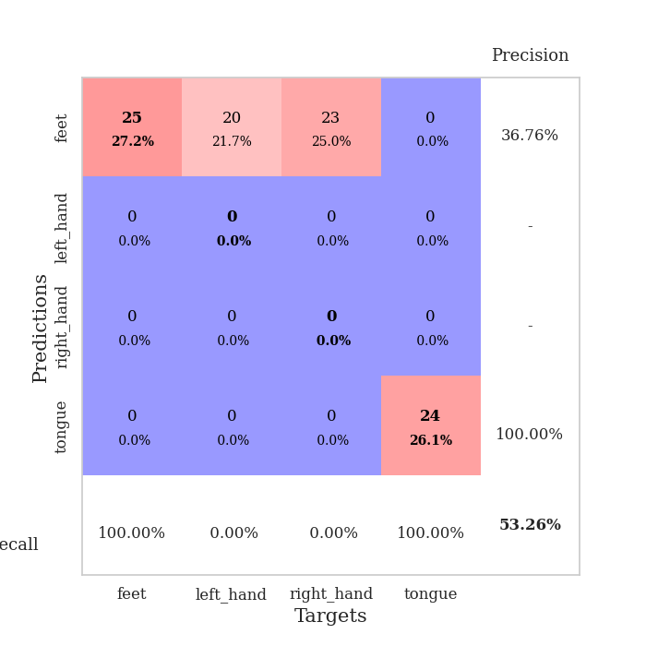
train_loss | valid_loss | train_accuracy | valid_accuracy | dur | train_misclass | valid_misclass
121.1055542 | 96.557381008 | 0.2527173913 | 0.26086956522 | 0.039603233337 | 25.27173913 | 26.086956522
96.180882263 | 71.487759134 | 0.24184782609 | 0.27173913043 | 0.036098718643 | 24.184782609 | 27.173913043
76.169902039 | 11.604545925 | 0.25 | 0.25 | 0.036099910736 | 25 | 25
31.690031815 | 12.166677973 | 0.24184782609 | 0.27173913043 | 0.035709619522 | 24.184782609 | 27.173913043
25.532561493 | 1.9753873452 | 0.49184782609 | 0.52173913043 | 0.035808563232 | 49.184782609 | 52.173913043
13.811471272 | 3.0064258368 | 0.49456521739 | 0.53260869565 | 0.036657094955 | 49.456521739 | 53.260869565
9.3718402863 | 2.7929143491 | 0.2527173913 | 0.27173913043 | 0.036724805832 | 25.27173913 | 27.173913043
6.5964569092 | 4.5073556278 | 0.2527173913 | 0.26086956522 | 0.03656411171 | 25.27173913 | 26.086956522
4.6958943367 | 2.8390918296 | 0.2527173913 | 0.26086956522 | 0.036749124527 | 25.27173913 | 26.086956522
4.0205036163 | 6.3332558093 | 0.2527173913 | 0.26086956522 | 0.036532640457 | 25.27173913 | 26.086956522
3.2832593441 | 7.5157598827 | 0.2527173913 | 0.26086956522 | 0.037217140198 | 25.27173913 | 26.086956522
3.3128258228 | 7.1980700078 | 0.2527173913 | 0.26086956522 | 0.037715911865 | 25.27173913 | 26.086956522
3.3128791571 | 11.29169037 | 0.2527173913 | 0.26086956522 | 0.037217855453 | 25.27173913 | 26.086956522
3.3347377777 | 14.752246691 | 0.2527173913 | 0.26086956522 | 0.037599802017 | 25.27173913 | 26.086956522
2.7367585182 | 16.352199803 | 0.2527173913 | 0.26086956522 | 0.036415338516 | 25.27173913 | 26.086956522
2.5226685047 | 16.640626037 | 0.2527173913 | 0.26086956522 | 0.03693652153 | 25.27173913 | 26.086956522
2.3699507713 | 17.79592597 | 0.2527173913 | 0.26086956522 | 0.036698102951 | 25.27173913 | 26.086956522
2.7641931534 | 11.876453856 | 0.2527173913 | 0.26086956522 | 0.036479711533 | 25.27173913 | 26.086956522
2.8371619225 | 22.528548614 | 0.2527173913 | 0.26086956522 | 0.036437273026 | 25.27173913 | 26.086956522
2.5632223129 | 22.105987383 | 0.2527173913 | 0.26086956522 | 0.03720664978 | 25.27173913 | 26.086956522
2.5448639393 | 27.435108599 | 0.2527173913 | 0.26086956522 | 0.037143468857 | 25.27173913 | 26.086956522
2.1882748127 | 29.70578542 | 0.2527173913 | 0.26086956522 | 0.036342382431 | 25.27173913 | 26.086956522
2.4883225203 | 27.324307732 | 0.2527173913 | 0.26086956522 | 0.036539316177 | 25.27173913 | 26.086956522
2.3154135942 | 40.213800679 | 0.2527173913 | 0.26086956522 | 0.036647558212 | 25.27173913 | 26.086956522
2.7976751804 | 31.200935447 | 0.2527173913 | 0.26086956522 | 0.037020921707 | 25.27173913 | 26.086956522
2.3143681526 | 30.250763686 | 0.2527173913 | 0.26086956522 | 0.036743879318 | 25.27173913 | 26.086956522
1.9092259884 | 32.703903613 | 0.2527173913 | 0.26086956522 | 0.036814689636 | 25.27173913 | 26.086956522
2.1914606333 | 23.645135465 | 0.2527173913 | 0.26086956522 | 0.035955190659 | 25.27173913 | 26.086956522
2.1281646729 | 32.737825974 | 0.2527173913 | 0.26086956522 | 0.03600859642 | 25.27173913 | 26.086956522
1.9338414431 | 40.032809216 | 0.2527173913 | 0.26086956522 | 0.036389112473 | 25.27173913 | 26.086956522
2.0881155491 | 42.461237866 | 0.2527173913 | 0.26086956522 | 0.037334918976 | 25.27173913 | 26.086956522
2.1728012562 | 39.608223625 | 0.2527173913 | 0.26086956522 | 0.036695480347 | 25.27173913 | 26.086956522
1.8468134165 | 31.929664695 | 0.2527173913 | 0.26086956522 | 0.037270307541 | 25.27173913 | 26.086956522
1.6313412189 | 12.74793119 | 0.2527173913 | 0.26086956522 | 0.036703586578 | 25.27173913 | 26.086956522
1.902088356 | 38.866835719 | 0.2527173913 | 0.26086956522 | 0.036977052689 | 25.27173913 | 26.086956522
2.0199163914 | 35.96142545 | 0.2527173913 | 0.26086956522 | 0.036992311478 | 25.27173913 | 26.086956522
1.8892291784 | 27.613725496 | 0.2527173913 | 0.26086956522 | 0.036454916 | 25.27173913 | 26.086956522
1.9188014984 | 26.933311297 | 0.2527173913 | 0.26086956522 | 0.037504673004 | 25.27173913 | 26.086956522
1.5584268093 | 27.342407144 | 0.2527173913 | 0.26086956522 | 0.036942005157 | 25.27173913 | 26.086956522
1.8110105038 | 24.671307356 | 0.2527173913 | 0.26086956522 | 0.036366462708 | 25.27173913 | 26.086956522
1.6031223059 | 22.13260576 | 0.2527173913 | 0.26086956522 | 0.036399364471 | 25.27173913 | 26.086956522
1.6392501831 | 26.600360124 | 0.2527173913 | 0.26086956522 | 0.036507606506 | 25.27173913 | 26.086956522
1.7219958782 | 24.414897504 | 0.2527173913 | 0.26086956522 | 0.036661624908 | 25.27173913 | 26.086956522
1.6828363895 | 17.421310508 | 0.2527173913 | 0.26086956522 | 0.036915779114 | 25.27173913 | 26.086956522
1.7152130842 | 11.853821547 | 0.2527173913 | 0.26086956522 | 0.03648686409 | 25.27173913 | 26.086956522
1.9194386482 | 8.278652129 | 0.2527173913 | 0.26086956522 | 0.038614273071 | 25.27173913 | 26.086956522
1.5802372932 | 6.9151704 | 0.2527173913 | 0.26086956522 | 0.036151409149 | 25.27173913 | 26.086956522
1.7194351196 | 4.9208321364 | 0.2527173913 | 0.26086956522 | 0.036503791809 | 25.27173913 | 26.086956522
1.6687973499 | 2.8199769725 | 0.29076086957 | 0.35869565217 | 0.036521434784 | 29.076086957 | 35.869565217
1.8613007307 | 0.72670764508 | 0.46739130435 | 0.52173913043 | 0.037401199341 | 46.739130435 | 52.173913043

Best Val accuracy is 0.532608695652174 and Best test accuracy is 0.49137931034482757

Sheet5
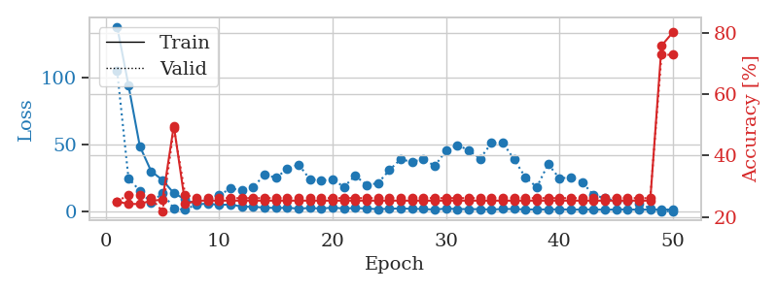
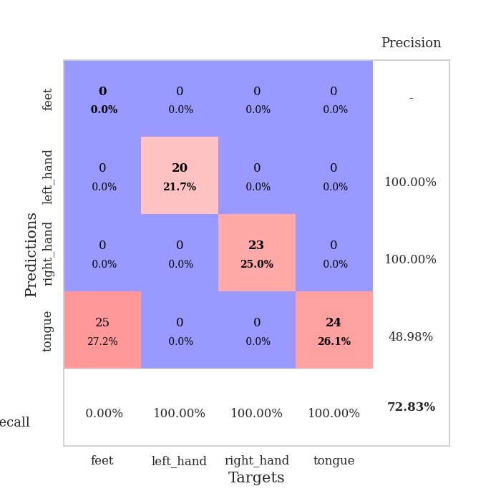
train_loss | valid_loss | train_accuracy | valid_accuracy | dur | train_misclass | valid_misclass
137.51057854 | 104.74672732 | 0.25 | 0.25 | 0.04038143158 | 25 | 25
93.894108582 | 24.874267412 | 0.24184782609 | 0.27173913043 | 0.036272287369 | 24.184782609 | 27.173913043
48.705815125 | 15.642476704 | 0.24184782609 | 0.27173913043 | 0.03745007515 | 24.184782609 | 27.173913043
30.10915451 | 6.5784515298 | 0.2527173913 | 0.26086956522 | 0.038565397263 | 25.27173913 | 26.086956522
23.564801025 | 14.012291535 | 0.25543478261 | 0.21739130435 | 0.0355219841 | 25.543478261 | 21.739130435
13.789985371 | 2.4875116245 | 0.4972826087 | 0.48913043478 | 0.035495281219 | 49.72826087 | 48.913043478
9.2824567795 | 1.360555965 | 0.24184782609 | 0.27173913043 | 0.035611391068 | 24.184782609 | 27.173913043
5.4760259628 | 5.7457714495 | 0.2527173913 | 0.26086956522 | 0.035527706146 | 25.27173913 | 26.086956522
6.0648003578 | 9.5864728015 | 0.2527173913 | 0.26086956522 | 0.036013841629 | 25.27173913 | 26.086956522
5.0847012043 | 12.445177161 | 0.2527173913 | 0.26086956522 | 0.036353111267 | 25.27173913 | 26.086956522
5.3891022205 | 17.209778661 | 0.2527173913 | 0.26086956522 | 0.036437988281 | 25.27173913 | 26.086956522
3.8202726126 | 16.146384115 | 0.2527173913 | 0.26086956522 | 0.036139726639 | 25.27173913 | 26.086956522
3.6478054047 | 18.436220169 | 0.2527173913 | 0.26086956522 | 0.036271572113 | 25.27173913 | 26.086956522
3.0954133987 | 27.489517129 | 0.2527173913 | 0.26086956522 | 0.035802364349 | 25.27173913 | 26.086956522
2.8025626183 | 25.380767905 | 0.2527173913 | 0.26086956522 | 0.039527893066 | 25.27173913 | 26.086956522
2.9395211697 | 31.597940777 | 0.2527173913 | 0.26086956522 | 0.037262678146 | 25.27173913 | 26.086956522
2.4008899689 | 35.114491836 | 0.2527173913 | 0.26086956522 | 0.036375045776 | 25.27173913 | 26.086956522
2.8024420261 | 24.084163915 | 0.2527173913 | 0.26086956522 | 0.036356925964 | 25.27173913 | 26.086956522
2.3968628168 | 23.27163547 | 0.2527173913 | 0.26086956522 | 0.036518096924 | 25.27173913 | 26.086956522
3.115321207 | 23.869313033 | 0.2527173913 | 0.26086956522 | 0.03720664978 | 25.27173913 | 26.086956522
2.4145214319 | 18.529985842 | 0.2527173913 | 0.26086956522 | 0.036650896072 | 25.27173913 | 26.086956522
2.8429093838 | 26.816498383 | 0.2527173913 | 0.26086956522 | 0.036472558975 | 25.27173913 | 26.086956522
2.4154194832 | 19.831206446 | 0.2527173913 | 0.26086956522 | 0.036479711533 | 25.27173913 | 26.086956522
1.9441479921 | 21.261798776 | 0.2527173913 | 0.26086956522 | 0.037038803101 | 25.27173913 | 26.086956522
2.2563517094 | 30.896469365 | 0.2527173913 | 0.26086956522 | 0.039432764053 | 25.27173913 | 26.086956522
2.4529476166 | 39.108634119 | 0.2527173913 | 0.26086956522 | 0.036890506744 | 25.27173913 | 26.086956522
2.2179621696 | 36.941197603 | 0.2527173913 | 0.26086956522 | 0.036860466003 | 25.27173913 | 26.086956522
2.051572156 | 39.339404562 | 0.2527173913 | 0.26086956522 | 0.036419153214 | 25.27173913 | 26.086956522
1.6480235577 | 33.954301585 | 0.2527173913 | 0.26086956522 | 0.035895824432 | 25.27173913 | 26.086956522
2.38264153 | 45.469212905 | 0.2527173913 | 0.26086956522 | 0.036191940308 | 25.27173913 | 26.086956522
2.0257008791 | 49.546471306 | 0.2527173913 | 0.26086956522 | 0.036251306534 | 25.27173913 | 26.086956522
1.9700887918 | 45.698367243 | 0.2527173913 | 0.26086956522 | 0.036653995514 | 25.27173913 | 26.086956522
1.9261934519 | 39.457089631 | 0.2527173913 | 0.26086956522 | 0.037266492844 | 25.27173913 | 26.086956522
1.6515079975 | 51.054160906 | 0.2527173913 | 0.26086956522 | 0.036616563797 | 25.27173913 | 26.086956522
2.0834167004 | 51.274106731 | 0.2527173913 | 0.26086956522 | 0.036672115326 | 25.27173913 | 26.086956522
2.0420934916 | 38.898746656 | 0.2527173913 | 0.26086956522 | 0.037181138992 | 25.27173913 | 26.086956522
1.7026779652 | 25.582849834 | 0.2527173913 | 0.26086956522 | 0.036001682281 | 25.27173913 | 26.086956522
1.7605918407 | 18.279185005 | 0.2527173913 | 0.26086956522 | 0.037494897842 | 25.27173913 | 26.086956522
1.7138602734 | 35.39223049 | 0.2527173913 | 0.26086956522 | 0.037237167358 | 25.27173913 | 26.086956522
1.8169491291 | 24.844125499 | 0.2527173913 | 0.26086956522 | 0.036247968674 | 25.27173913 | 26.086956522
1.6463331699 | 25.516829532 | 0.2527173913 | 0.26086956522 | 0.036653757095 | 25.27173913 | 26.086956522
1.6676050425 | 22.101375165 | 0.2527173913 | 0.26086956522 | 0.036784410477 | 25.27173913 | 26.086956522
1.7401474953 | 12.381246525 | 0.2527173913 | 0.26086956522 | 0.036883354187 | 25.27173913 | 26.086956522
1.4977874041 | 10.183090832 | 0.2527173913 | 0.26086956522 | 0.036689519882 | 25.27173913 | 26.086956522
1.706372714 | 7.8516432306 | 0.2527173913 | 0.26086956522 | 0.037068367004 | 25.27173913 | 26.086956522
1.7725013494 | 8.0415724257 | 0.2527173913 | 0.26086956522 | 0.037625551224 | 25.27173913 | 26.086956522
1.5000612974 | 5.9164319453 | 0.2527173913 | 0.26086956522 | 0.036404132843 | 25.27173913 | 26.086956522
1.6887377143 | 2.6862552477 | 0.2527173913 | 0.26086956522 | 0.036724805832 | 25.27173913 | 26.086956522
1.6192011595 | 0.54320984301 | 0.75815217391 | 0.72826086957 | 0.036792755127 | 75.815217391 | 72.826086957
1.6951631546 | 0.41443178058 | 0.80163043478 | 0.72826086957 | 0.037561416626 | 80.163043478 | 72.826086957

Best Val accuracy is 0.7282608695652174 and Best test accuracy is 0.7413793103448276

Sheet6
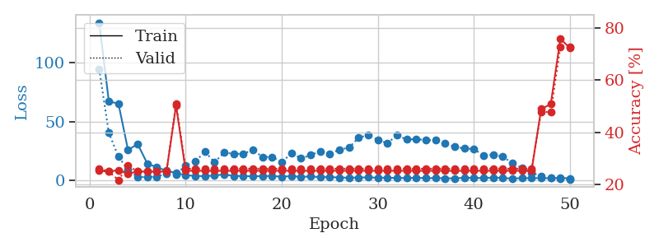
train_loss | valid_loss | train_accuracy | valid_accuracy | dur | train_misclass | valid_misclass
134.27460403 | 94.618619836 | 0.2527173913 | 0.26086956522 | 0.039786577225 | 25.27173913 | 26.086956522
67.126167297 | 40.347986802 | 0.25 | 0.25 | 0.036736726761 | 25 | 25
65.322577667 | 20.095720623 | 0.25543478261 | 0.21739130435 | 0.036095619202 | 25.543478261 | 21.739130435
25.731028938 | 8.788311129 | 0.24184782609 | 0.27173913043 | 0.036052942276 | 24.184782609 | 27.173913043
30.843510056 | 2.6550877716 | 0.25 | 0.25 | 0.037127733231 | 25 | 25
14.254238224 | 2.7355681191 | 0.25 | 0.25 | 0.036709308624 | 25 | 25
10.966542912 | 3.0474842528 | 0.25 | 0.25 | 0.039932250977 | 25 | 25
8.0525331497 | 5.6341725847 | 0.25 | 0.25 | 0.03776049614 | 25 | 25
6.0871974468 | 5.0976705758 | 0.5027173913 | 0.51086956522 | 0.037175178528 | 50.27173913 | 51.086956522
4.2788877487 | 12.554394183 | 0.2527173913 | 0.26086956522 | 0.036825418472 | 25.27173913 | 26.086956522
3.6367759705 | 15.757163048 | 0.2527173913 | 0.26086956522 | 0.036605834961 | 25.27173913 | 26.086956522
3.4653322697 | 24.432325446 | 0.2527173913 | 0.26086956522 | 0.038418054581 | 25.27173913 | 26.086956522
3.953564167 | 15.285693252 | 0.2527173913 | 0.26086956522 | 0.036787033081 | 25.27173913 | 26.086956522
5.0405376434 | 23.577068578 | 0.2527173913 | 0.26086956522 | 0.037654399872 | 25.27173913 | 26.086956522
3.5557370663 | 22.462231843 | 0.2527173913 | 0.26086956522 | 0.039534330368 | 25.27173913 | 26.086956522
3.6175513744 | 22.450089911 | 0.2527173913 | 0.26086956522 | 0.037592172623 | 25.27173913 | 26.086956522
3.2143984079 | 25.888463394 | 0.2527173913 | 0.26086956522 | 0.036423206329 | 25.27173913 | 26.086956522
3.6206447124 | 19.71136458 | 0.2527173913 | 0.26086956522 | 0.036551475525 | 25.27173913 | 26.086956522
3.5418075562 | 19.810335906 | 0.2527173913 | 0.26086956522 | 0.036882162094 | 25.27173913 | 26.086956522
3.0256169558 | 15.247564689 | 0.2527173913 | 0.26086956522 | 0.037305593491 | 25.27173913 | 26.086956522
3.4407822609 | 22.963382472 | 0.2527173913 | 0.26086956522 | 0.036453962326 | 25.27173913 | 26.086956522
2.8946715117 | 18.724954605 | 0.2527173913 | 0.26086956522 | 0.038351774216 | 25.27173913 | 26.086956522
3.1451183796 | 21.3374147 | 0.2527173913 | 0.26086956522 | 0.036450862885 | 25.27173913 | 26.086956522
2.6140074015 | 24.807318065 | 0.2527173913 | 0.26086956522 | 0.036856412888 | 25.27173913 | 26.086956522
2.674115324 | 22.443701868 | 0.2527173913 | 0.26086956522 | 0.037391662598 | 25.27173913 | 26.086956522
2.2805874109 | 26.061900014 | 0.2527173913 | 0.26086956522 | 0.037639856339 | 25.27173913 | 26.086956522
2.0802094221 | 27.709733465 | 0.2527173913 | 0.26086956522 | 0.036909341812 | 25.27173913 | 26.086956522
2.2699640274 | 36.234274657 | 0.2527173913 | 0.26086956522 | 0.037682294846 | 25.27173913 | 26.086956522
2.393958354 | 38.458384804 | 0.2527173913 | 0.26086956522 | 0.039808273315 | 25.27173913 | 26.086956522
2.1215993166 | 34.441419021 | 0.2527173913 | 0.26086956522 | 0.038511514664 | 25.27173913 | 26.086956522
2.102009201 | 31.513864766 | 0.2527173913 | 0.26086956522 | 0.037047147751 | 25.27173913 | 26.086956522
1.8663919687 | 38.319355011 | 0.2527173913 | 0.26086956522 | 0.036724805832 | 25.27173913 | 26.086956522
1.819329071 | 34.682979418 | 0.2527173913 | 0.26086956522 | 0.036536216736 | 25.27173913 | 26.086956522
2.0497001886 | 35.017486075 | 0.2527173913 | 0.26086956522 | 0.036965608597 | 25.27173913 | 26.086956522
1.7537506819 | 34.100559732 | 0.2527173913 | 0.26086956522 | 0.037810087204 | 25.27173913 | 26.086956522
1.8199409485 | 33.97331669 | 0.2527173913 | 0.26086956522 | 0.036769390106 | 25.27173913 | 26.086956522
1.6324516535 | 31.255843536 | 0.2527173913 | 0.26086956522 | 0.037181377411 | 25.27173913 | 26.086956522
1.559249711 | 28.540253432 | 0.2527173913 | 0.26086956522 | 0.036602497101 | 25.27173913 | 26.086956522
2.0748514891 | 27.024399882 | 0.2527173913 | 0.26086956522 | 0.0373711586 | 25.27173913 | 26.086956522
1.8851035118 | 26.588309247 | 0.2527173913 | 0.26086956522 | 0.03672170639 | 25.27173913 | 26.086956522
1.8533911228 | 21.07184352 | 0.2527173913 | 0.26086956522 | 0.036545753479 | 25.27173913 | 26.086956522
2.225269866 | 21.832188565 | 0.2527173913 | 0.26086956522 | 0.036873340607 | 25.27173913 | 26.086956522
1.8020260811 | 20.01061 | 0.2527173913 | 0.26086956522 | 0.037626743317 | 25.27173913 | 26.086956522
1.400311172 | 14.597892969 | 0.2527173913 | 0.26086956522 | 0.036455392838 | 25.27173913 | 26.086956522
1.7399229527 | 10.269678199 | 0.2527173913 | 0.26086956522 | 0.03714299202 | 25.27173913 | 26.086956522
1.7875833511 | 6.3550191548 | 0.2527173913 | 0.26086956522 | 0.0393409729 | 25.27173913 | 26.086956522
1.6767126083 | 3.4881096197 | 0.48913043478 | 0.47826086957 | 0.038077116013 | 48.913043478 | 47.826086957
1.7416188717 | 2.2782316052 | 0.50815217391 | 0.47826086957 | 0.036112070084 | 50.815217391 | 47.826086957
1.8650341511 | 0.97326362392 | 0.75815217391 | 0.72826086957 | 0.037246704102 | 75.815217391 | 72.826086957
1.6498080492 | 0.78075105988 | 0.72282608696 | 0.72826086957 | 0.037822723389 | 72.282608696 | 72.826086957

Best Val accuracy is 0.7282608695652174 and Best test accuracy is 0.7413793103448276

Sheet7
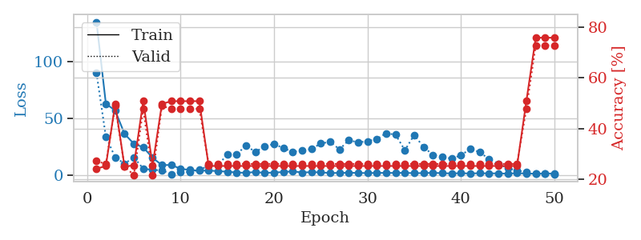
train_loss | valid_loss | train_accuracy | valid_accuracy | dur | train_misclass | valid_misclass
135.15402985 | 90.115826482 | 0.24184782609 | 0.27173913043 | 0.038901329041 | 24.184782609 | 27.173913043
63.284906769 | 34.199511569 | 0.2527173913 | 0.26086956522 | 0.036826610565 | 25.27173913 | 26.086956522
57.090960693 | 15.932269718 | 0.4972826087 | 0.48913043478 | 0.036371707916 | 49.72826087 | 48.913043478
36.597141647 | 10.424818288 | 0.25 | 0.25 | 0.037592172623 | 25 | 25
27.892291069 | 15.910498412 | 0.25543478261 | 0.21739130435 | 0.038285493851 | 25.543478261 | 21.739130435
24.84455452 | 6.054444396 | 0.50815217391 | 0.47826086957 | 0.03679728508 | 50.815217391 | 47.826086957
15.585135269 | 4.8271707452 | 0.25543478261 | 0.21739130435 | 0.037237405777 | 25.543478261 | 21.739130435
9.0950529099 | 4.5466423657 | 0.4972826087 | 0.48913043478 | 0.037123680115 | 49.72826087 | 48.913043478
9.2722528458 | 1.1410825512 | 0.50815217391 | 0.47826086957 | 0.037123918533 | 50.815217391 | 47.826086957
5.8619008541 | 3.2806486772 | 0.50815217391 | 0.47826086957 | 0.038111925125 | 50.815217391 | 47.826086957
4.8401941299 | 3.0796070824 | 0.50815217391 | 0.47826086957 | 0.036546707153 | 50.815217391 | 47.826086957
4.1308166981 | 5.0477724697 | 0.50815217391 | 0.47826086957 | 0.03675365448 | 50.815217391 | 47.826086957
4.3439950466 | 8.4141735823 | 0.2527173913 | 0.26086956522 | 0.037153959274 | 25.27173913 | 26.086956522
3.7754367352 | 9.102539021 | 0.2527173913 | 0.26086956522 | 0.037123680115 | 25.27173913 | 26.086956522
3.3363198757 | 18.482508701 | 0.2527173913 | 0.26086956522 | 0.037574052811 | 25.27173913 | 26.086956522
2.5711671352 | 18.671988197 | 0.2527173913 | 0.26086956522 | 0.037709474564 | 25.27173913 | 26.086956522
2.3544256926 | 26.309371036 | 0.2527173913 | 0.26086956522 | 0.03670334816 | 25.27173913 | 26.086956522
3.0326523304 | 20.676974919 | 0.2527173913 | 0.26086956522 | 0.03653049469 | 25.27173913 | 26.086956522
2.2669374466 | 25.669341626 | 0.2527173913 | 0.26086956522 | 0.040011167526 | 25.27173913 | 26.086956522
2.5737848043 | 27.725746072 | 0.2527173913 | 0.26086956522 | 0.036571025848 | 25.27173913 | 26.086956522
3.0184387922 | 24.023393465 | 0.2527173913 | 0.26086956522 | 0.037081003189 | 25.27173913 | 26.086956522
3.6036757946 | 20.81519102 | 0.2527173913 | 0.26086956522 | 0.03649020195 | 25.27173913 | 26.086956522
2.6014667511 | 21.943880413 | 0.2527173913 | 0.26086956522 | 0.036365747452 | 25.27173913 | 26.086956522
2.8910387993 | 23.395899731 | 0.2527173913 | 0.26086956522 | 0.037435293198 | 25.27173913 | 26.086956522
2.7842983007 | 28.06763649 | 0.2527173913 | 0.26086956522 | 0.037086486816 | 25.27173913 | 26.086956522
2.1124222994 | 29.734202261 | 0.2527173913 | 0.26086956522 | 0.037451982498 | 25.27173913 | 26.086956522
2.2457654715 | 22.971306179 | 0.2527173913 | 0.26086956522 | 0.038959264755 | 25.27173913 | 26.086956522
2.4015836716 | 31.068990044 | 0.2527173913 | 0.26086956522 | 0.037409543991 | 25.27173913 | 26.086956522
2.2364517927 | 29.097588664 | 0.2527173913 | 0.26086956522 | 0.037300348282 | 25.27173913 | 26.086956522
2.0798504353 | 30.168086674 | 0.2527173913 | 0.26086956522 | 0.037044525146 | 25.27173913 | 26.086956522
2.2614173651 | 32.154049666 | 0.2527173913 | 0.26086956522 | 0.036746263504 | 25.27173913 | 26.086956522
2.253621912 | 37.106296871 | 0.2527173913 | 0.26086956522 | 0.037175416946 | 25.27173913 | 26.086956522
2.2059046745 | 35.946371659 | 0.2527173913 | 0.26086956522 | 0.037033557892 | 25.27173913 | 26.086956522
2.3270777464 | 22.224803012 | 0.2527173913 | 0.26086956522 | 0.037378549576 | 25.27173913 | 26.086956522
1.992041254 | 35.68156118 | 0.2527173913 | 0.26086956522 | 0.036982774734 | 25.27173913 | 26.086956522
2.0993931055 | 24.994443396 | 0.2527173913 | 0.26086956522 | 0.037023305893 | 25.27173913 | 26.086956522
2.2969694138 | 18.158924186 | 0.2527173913 | 0.26086956522 | 0.03674030304 | 25.27173913 | 26.086956522
2.0139798403 | 16.159138265 | 0.2527173913 | 0.26086956522 | 0.036701917648 | 25.27173913 | 26.086956522
1.7728202105 | 14.900777153 | 0.2527173913 | 0.26086956522 | 0.03727221489 | 25.27173913 | 26.086956522
1.9882662296 | 17.760681982 | 0.2527173913 | 0.26086956522 | 0.037061452866 | 25.27173913 | 26.086956522
1.7232410192 | 23.417294627 | 0.2527173913 | 0.26086956522 | 0.037081956863 | 25.27173913 | 26.086956522
1.9900976419 | 20.558458162 | 0.2527173913 | 0.26086956522 | 0.037115335464 | 25.27173913 | 26.086956522
1.7871712208 | 14.47043025 | 0.2527173913 | 0.26086956522 | 0.037361860275 | 25.27173913 | 26.086956522
1.8661897421 | 10.277852556 | 0.2527173913 | 0.26086956522 | 0.03680896759 | 25.27173913 | 26.086956522
1.5514186144 | 6.3415117678 | 0.2527173913 | 0.26086956522 | 0.036950588226 | 25.27173913 | 26.086956522
2.0550984621 | 4.4001085551 | 0.2527173913 | 0.26086956522 | 0.037376642227 | 25.27173913 | 26.086956522
1.6435212851 | 2.9818012507 | 0.50815217391 | 0.47826086957 | 0.036974668503 | 50.815217391 | 47.826086957
1.5866888285 | 1.5510337094 | 0.75815217391 | 0.72826086957 | 0.037185668945 | 75.815217391 | 72.826086957
1.7823896885 | 1.5697284004 | 0.75815217391 | 0.72826086957 | 0.037080526352 | 75.815217391 | 72.826086957
1.6534743071 | 1.1117823279 | 0.75815217391 | 0.72826086957 | 0.037560939789 | 75.815217391 | 72.826086957

Best Val accuracy is 0.7282608695652174 and Best test accuracy is 0.7413793103448276

Sheet8
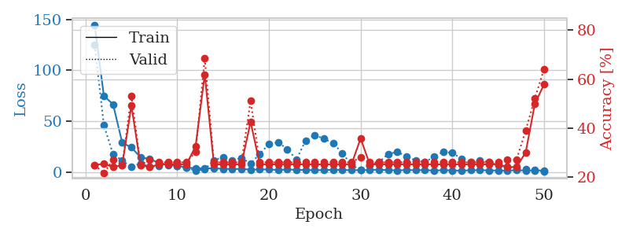
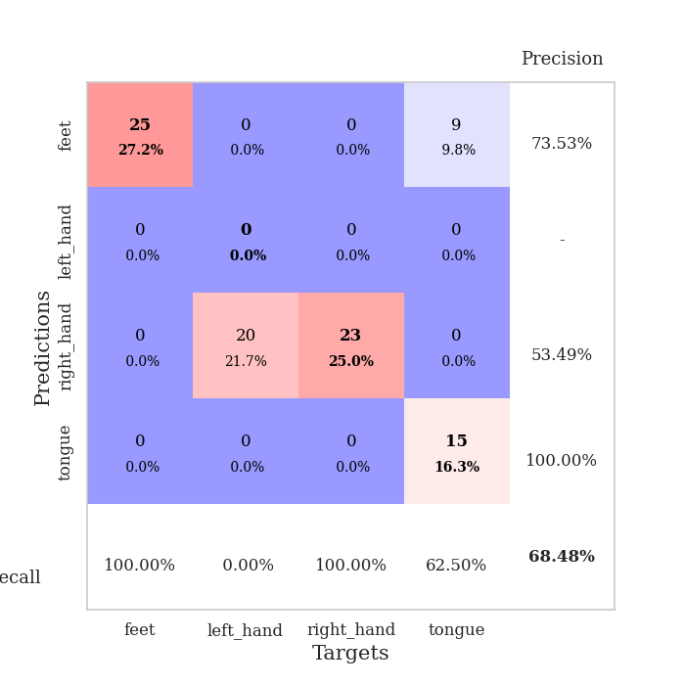
train_loss | valid_loss | train_accuracy | valid_accuracy | dur | train_misclass | valid_misclass
144.32667732 | 124.81091242 | 0.25 | 0.25 | 0.037936687469 | 25 | 25
74.932228851 | 46.198282822 | 0.25543478261 | 0.21739130435 | 0.036393880844 | 25.543478261 | 21.739130435
66.725995636 | 17.685600612 | 0.24184782609 | 0.27173913043 | 0.035880088806 | 24.184782609 | 27.173913043
29.013834 | 11.3167951 | 0.25 | 0.25 | 0.036233186722 | 25 | 25
24.244361496 | 5.1495790896 | 0.49184782609 | 0.53260869565 | 0.036485433578 | 49.184782609 | 53.260869565
14.752368069 | 8.7169651571 | 0.25 | 0.25 | 0.03729057312 | 25 | 25
12.854334354 | 5.0469296082 | 0.24184782609 | 0.27173913043 | 0.036259651184 | 24.184782609 | 27.173913043
9.1853441238 | 6.0763001442 | 0.2527173913 | 0.26086956522 | 0.036181926727 | 25.27173913 | 26.086956522
7.0218058586 | 7.8643567666 | 0.2527173913 | 0.26086956522 | 0.036188364029 | 25.27173913 | 26.086956522
6.3192753792 | 6.1264390116 | 0.2527173913 | 0.26086956522 | 0.035871982574 | 25.27173913 | 26.086956522
4.6033415794 | 4.3490473291 | 0.2527173913 | 0.26086956522 | 0.035936832428 | 25.27173913 | 26.086956522
3.8705345154 | 1.5220674484 | 0.32608695652 | 0.30434782609 | 0.03603553772 | 32.608695652 | 30.434782609
3.8012890816 | 2.7315192637 | 0.61956521739 | 0.6847826087 | 0.035806179047 | 61.956521739 | 68.47826087
3.7561610222 | 11.636248589 | 0.2527173913 | 0.26086956522 | 0.036915779114 | 25.27173913 | 26.086956522
3.3667165279 | 14.957155311 | 0.2527173913 | 0.26086956522 | 0.035926103592 | 25.27173913 | 26.086956522
3.0624654293 | 11.249912179 | 0.2527173913 | 0.26086956522 | 0.036422729492 | 25.27173913 | 26.086956522
3.1919037819 | 14.153462866 | 0.2527173913 | 0.26086956522 | 0.035905599594 | 25.27173913 | 26.086956522
2.5389117479 | 8.3681430817 | 0.42663043478 | 0.51086956522 | 0.036111116409 | 42.663043478 | 51.086956522
2.6233448029 | 17.867610848 | 0.2527173913 | 0.26086956522 | 0.036125898361 | 25.27173913 | 26.086956522
2.6839003086 | 27.754477045 | 0.2527173913 | 0.26086956522 | 0.036811351776 | 25.27173913 | 26.086956522
2.1352678537 | 29.504941028 | 0.2527173913 | 0.26086956522 | 0.036240100861 | 25.27173913 | 26.086956522
2.5984431982 | 22.555624672 | 0.2527173913 | 0.26086956522 | 0.03627705574 | 25.27173913 | 26.086956522
2.3392226696 | 12.399022932 | 0.2527173913 | 0.26086956522 | 0.03616642952 | 25.27173913 | 26.086956522
2.0970988035 | 31.067279899 | 0.2527173913 | 0.26086956522 | 0.036174058914 | 25.27173913 | 26.086956522
1.8983644485 | 36.366220889 | 0.2527173913 | 0.26086956522 | 0.036255121231 | 25.27173913 | 26.086956522
2.0808535814 | 32.818652775 | 0.2527173913 | 0.26086956522 | 0.036111831665 | 25.27173913 | 26.086956522
2.3459906816 | 28.57996866 | 0.2527173913 | 0.26086956522 | 0.036180019379 | 25.27173913 | 26.086956522
2.1955044985 | 18.726728605 | 0.2527173913 | 0.26086956522 | 0.036099433899 | 25.27173913 | 26.086956522
1.9294081926 | 7.162274257 | 0.2527173913 | 0.26086956522 | 0.036128997803 | 25.27173913 | 26.086956522
2.0134272814 | 1.9425770355 | 0.35869565217 | 0.28260869565 | 0.037032604218 | 35.869565217 | 28.260869565
2.1679969788 | 6.9667478852 | 0.2527173913 | 0.26086956522 | 0.036539793015 | 25.27173913 | 26.086956522
2.4779160738 | 9.6780193578 | 0.2527173913 | 0.26086956522 | 0.036600112915 | 25.27173913 | 26.086956522
2.0145158768 | 17.896373998 | 0.2527173913 | 0.26086956522 | 0.036629676819 | 25.27173913 | 26.086956522
1.7601575375 | 19.877906302 | 0.2527173913 | 0.26086956522 | 0.036600589752 | 25.27173913 | 26.086956522
2.0467615366 | 15.448040755 | 0.2527173913 | 0.26086956522 | 0.036513566971 | 25.27173913 | 26.086956522
1.9526702881 | 11.556232328 | 0.2527173913 | 0.26086956522 | 0.038043260574 | 25.27173913 | 26.086956522
2.019473815 | 9.8334674421 | 0.2527173913 | 0.26086956522 | 0.035891532898 | 25.27173913 | 26.086956522
1.536489749 | 15.09585111 | 0.2527173913 | 0.26086956522 | 0.035994052887 | 25.27173913 | 26.086956522
1.9797960281 | 19.966166787 | 0.2527173913 | 0.26086956522 | 0.035988330841 | 25.27173913 | 26.086956522
1.6773766994 | 18.946441567 | 0.2527173913 | 0.26086956522 | 0.036417007446 | 25.27173913 | 26.086956522
1.441012001 | 13.290864281 | 0.2527173913 | 0.26086956522 | 0.036367177963 | 25.27173913 | 26.086956522
1.8586808681 | 10.260582302 | 0.2527173913 | 0.26086956522 | 0.036472082138 | 25.27173913 | 26.086956522
1.9062724113 | 11.104972383 | 0.2527173913 | 0.26086956522 | 0.036364078522 | 25.27173913 | 26.086956522
1.75213871 | 10.061773217 | 0.2527173913 | 0.26086956522 | 0.03667640686 | 25.27173913 | 26.086956522
1.5841228724 | 6.6265663893 | 0.2527173913 | 0.26086956522 | 0.036741495132 | 25.27173913 | 26.086956522
1.5805808067 | 4.9370761747 | 0.24184782609 | 0.27173913043 | 0.036085128784 | 24.184782609 | 27.173913043
1.8651682854 | 3.6693777105 | 0.24184782609 | 0.27173913043 | 0.036361694336 | 24.184782609 | 27.173913043
1.6468310356 | 3.0552283888 | 0.30163043478 | 0.39130434783 | 0.036207437515 | 30.163043478 | 39.130434783
1.5498198509 | 1.9536638571 | 0.5 | 0.52173913043 | 0.036286830902 | 50 | 52.173913043
1.7530453205 | 0.69710301575 | 0.57880434783 | 0.64130434783 | 0.036151409149 | 57.880434783 | 64.130434783

Best Val accuracy is 0.6847826086956522 and Best test accuracy is 0.6896551724137931

Sheet9
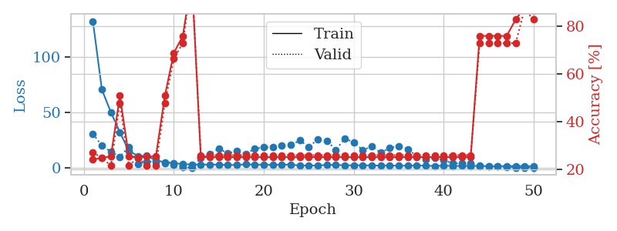
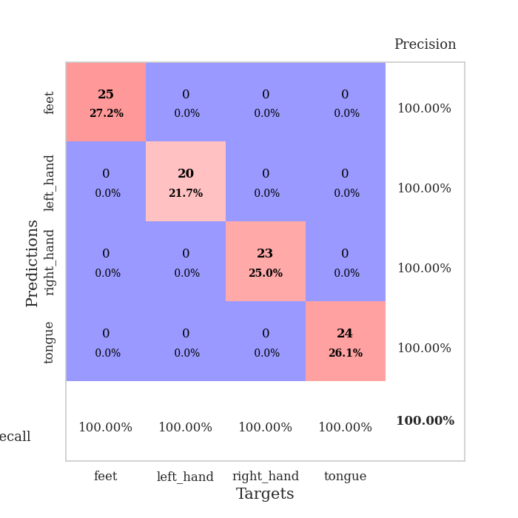
train_loss | valid_loss | train_accuracy | valid_accuracy | dur | train_misclass | valid_misclass
132.43726807 | 30.771172897 | 0.24184782609 | 0.27173913043 | 0.038555622101 | 24.184782609 | 27.173913043
70.674740601 | 20.237700836 | 0.25 | 0.25 | 0.038647651672 | 25 | 25
50.208099365 | 14.599424072 | 0.25543478261 | 0.21739130435 | 0.035920858383 | 25.543478261 | 21.739130435
32.190452957 | 10.121519213 | 0.50815217391 | 0.47826086957 | 0.036806106567 | 50.815217391 | 47.826086957
15.439311218 | 19.158277595 | 0.25543478261 | 0.21739130435 | 0.036327123642 | 25.543478261 | 21.739130435
10.847509575 | 3.7869298976 | 0.25 | 0.25 | 0.036632537842 | 25 | 25
11.034388161 | 5.736183208 | 0.25543478261 | 0.21739130435 | 0.036678791046 | 25.543478261 | 21.739130435
6.7758236885 | 5.4107073286 | 0.25543478261 | 0.21739130435 | 0.036164283752 | 25.543478261 | 21.739130435
5.2871790886 | 4.123780292 | 0.50815217391 | 0.47826086957 | 0.036636829376 | 50.815217391 | 47.826086957
4.360185194 | 3.1813463128 | 0.6875 | 0.66304347826 | 0.036471366882 | 68.75 | 66.304347826
3.4774751663 | 0.9693927428 | 0.75815217391 | 0.72826086957 | 0.03648519516 | 75.815217391 | 72.826086957
2.9897027016 | 0.29798470114 | 1 | 1 | 0.036959409714 | 100 | 100
3.0552471161 | 9.000810789 | 0.2527173913 | 0.26086956522 | 0.036981105804 | 25.27173913 | 26.086956522
3.0867714882 | 12.371280048 | 0.2527173913 | 0.26086956522 | 0.037132978439 | 25.27173913 | 26.086956522
2.9786803722 | 17.616004778 | 0.2527173913 | 0.26086956522 | 0.037350416183 | 25.27173913 | 26.086956522
2.6099086285 | 13.081215858 | 0.2527173913 | 0.26086956522 | 0.037749767303 | 25.27173913 | 26.086956522
2.7086520672 | 15.403043705 | 0.2527173913 | 0.26086956522 | 0.036732435226 | 25.27173913 | 26.086956522
3.2612411499 | 12.735890886 | 0.2527173913 | 0.26086956522 | 0.036969423294 | 25.27173913 | 26.086956522
3.0447646618 | 17.332329626 | 0.2527173913 | 0.26086956522 | 0.038872241974 | 25.27173913 | 26.086956522
2.9576901436 | 18.663291019 | 0.2527173913 | 0.26086956522 | 0.035894632339 | 25.27173913 | 26.086956522
2.6976604223 | 18.562797381 | 0.2527173913 | 0.26086956522 | 0.036353111267 | 25.27173913 | 26.086956522
3.1615111351 | 20.475248503 | 0.2527173913 | 0.26086956522 | 0.036775588989 | 25.27173913 | 26.086956522
2.8949734211 | 20.590659929 | 0.2527173913 | 0.26086956522 | 0.0359852314 | 25.27173913 | 26.086956522
2.2063906193 | 24.809056904 | 0.2527173913 | 0.26086956522 | 0.038329839706 | 25.27173913 | 26.086956522
2.1421756506 | 18.9673 | 0.2527173913 | 0.26086956522 | 0.037734508514 | 25.27173913 | 26.086956522
2.2639399529 | 25.79886395 | 0.2527173913 | 0.26086956522 | 0.037568569183 | 25.27173913 | 26.086956522
2.6550253391 | 24.716011462 | 0.2527173913 | 0.26086956522 | 0.036837339401 | 25.27173913 | 26.086956522
2.8179541826 | 16.310035415 | 0.2527173913 | 0.26086956522 | 0.037669420242 | 25.27173913 | 26.086956522
2.2592675686 | 26.322296806 | 0.2527173913 | 0.26086956522 | 0.037002086639 | 25.27173913 | 26.086956522
2.3811554432 | 23.334179588 | 0.2527173913 | 0.26086956522 | 0.037805557251 | 25.27173913 | 26.086956522
2.4030786991 | 16.108414733 | 0.2527173913 | 0.26086956522 | 0.036645412445 | 25.27173913 | 26.086956522
2.186427927 | 19.466806743 | 0.2527173913 | 0.26086956522 | 0.036988735199 | 25.27173913 | 26.086956522
2.1026938438 | 13.843482432 | 0.2527173913 | 0.26086956522 | 0.037473201752 | 25.27173913 | 26.086956522
2.2167411327 | 18.097491223 | 0.2527173913 | 0.26086956522 | 0.037617444992 | 25.27173913 | 26.086956522
1.9423876286 | 19.758171911 | 0.2527173913 | 0.26086956522 | 0.037389755249 | 25.27173913 | 26.086956522
2.0785638094 | 17.108530874 | 0.2527173913 | 0.26086956522 | 0.037186861038 | 25.27173913 | 26.086956522
2.1879323006 | 10.70515898 | 0.2527173913 | 0.26086956522 | 0.036631584167 | 25.27173913 | 26.086956522
2.0116112471 | 7.6094071761 | 0.2527173913 | 0.26086956522 | 0.037146806717 | 25.27173913 | 26.086956522
1.8089664221 | 8.8621772269 | 0.2527173913 | 0.26086956522 | 0.037703990936 | 25.27173913 | 26.086956522
2.0725374222 | 6.9498795219 | 0.2527173913 | 0.26086956522 | 0.037934064865 | 25.27173913 | 26.086956522
1.7166494846 | 4.3598010644 | 0.2527173913 | 0.26086956522 | 0.038051366806 | 25.27173913 | 26.086956522
1.8321016312 | 3.9791090385 | 0.2527173913 | 0.26086956522 | 0.03739118576 | 25.27173913 | 26.086956522
1.8096347809 | 3.9705466291 | 0.2527173913 | 0.26086956522 | 0.036103248596 | 25.27173913 | 26.086956522
1.770177865 | 1.8410878389 | 0.75815217391 | 0.72826086957 | 0.036641120911 | 75.815217391 | 72.826086957
1.6391951561 | 1.4276260604 | 0.75815217391 | 0.72826086957 | 0.037125110626 | 75.815217391 | 72.826086957
1.5504618406 | 1.3195740866 | 0.75815217391 | 0.72826086957 | 0.036665678024 | 75.815217391 | 72.826086957
1.7091922998 | 0.9602510955 | 0.75815217391 | 0.72826086957 | 0.037241458893 | 75.815217391 | 72.826086957
1.7595380068 | 0.41925364085 | 0.82608695652 | 0.72826086957 | 0.03777384758 | 82.608695652 | 72.826086957
1.6512640715 | 0.28996404293 | 0.8777173913 | 0.86956521739 | 0.036747455597 | 87.77173913 | 86.956521739
1.5780664682 | 0.26791518603 | 0.86141304348 | 0.82608695652 | 0.037240743637 | 86.141304348 | 82.608695652

Best Val accuracy is 1.0 and Best test accuracy is 1.0

Sheet10
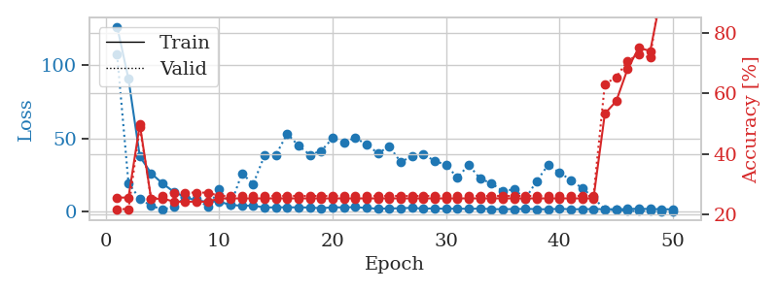
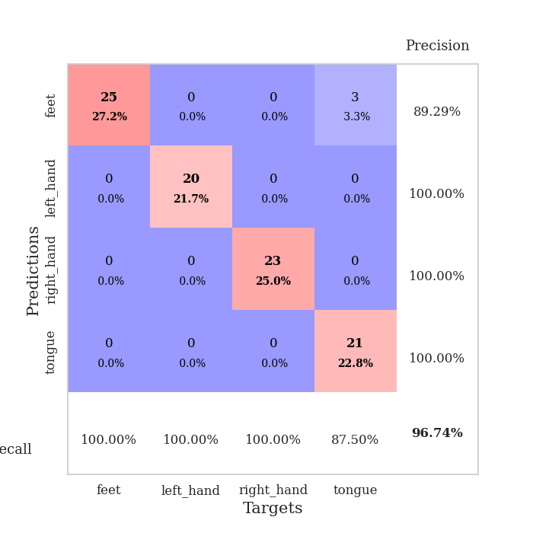
train_loss | valid_loss | train_accuracy | valid_accuracy | dur | train_misclass | valid_misclass
126.47893791 | 107.2576211 | 0.25543478261 | 0.21739130435 | 0.038686752319 | 25.543478261 | 21.739130435
90.775896454 | 19.440865475 | 0.25543478261 | 0.21739130435 | 0.037360668182 | 25.543478261 | 21.739130435
37.664178085 | 8.7080067759 | 0.4972826087 | 0.48913043478 | 0.037417650223 | 49.72826087 | 48.913043478
26.161805725 | 3.8997372441 | 0.25 | 0.25 | 0.038468599319 | 25 | 25
19.223361778 | 1.5372492386 | 0.2527173913 | 0.26086956522 | 0.039076805115 | 25.27173913 | 26.086956522
13.469487381 | 3.0836591099 | 0.24184782609 | 0.27173913043 | 0.037442207336 | 24.184782609 | 27.173913043
9.8909832001 | 9.864714042 | 0.24184782609 | 0.27173913043 | 0.036554813385 | 24.184782609 | 27.173913043
7.4762921333 | 8.9783262999 | 0.24184782609 | 0.27173913043 | 0.036498785019 | 24.184782609 | 27.173913043
6.7479872227 | 3.069363366 | 0.24184782609 | 0.27173913043 | 0.036459445953 | 24.184782609 | 27.173913043
6.9046764374 | 15.242349749 | 0.2527173913 | 0.26086956522 | 0.037042617798 | 25.27173913 | 26.086956522
4.4381216049 | 4.4642417535 | 0.2527173913 | 0.26086956522 | 0.037437200546 | 25.27173913 | 26.086956522
4.0147381306 | 26.063137635 | 0.2527173913 | 0.26086956522 | 0.036704063416 | 25.27173913 | 26.086956522
4.0493391991 | 18.900323702 | 0.2527173913 | 0.26086956522 | 0.036619186401 | 25.27173913 | 26.086956522
2.7755103111 | 38.444148851 | 0.2527173913 | 0.26086956522 | 0.036462306976 | 25.27173913 | 26.086956522
2.8972867012 | 38.795309813 | 0.2527173913 | 0.26086956522 | 0.03670334816 | 25.27173913 | 26.086956522
2.9054298878 | 53.320226089 | 0.2527173913 | 0.26086956522 | 0.037786245346 | 25.27173913 | 26.086956522
2.856099844 | 44.915953761 | 0.2527173913 | 0.26086956522 | 0.03648352623 | 25.27173913 | 26.086956522
2.7513569832 | 38.81315646 | 0.2527173913 | 0.26086956522 | 0.036976099014 | 25.27173913 | 26.086956522
2.2668060064 | 41.52224748 | 0.2527173913 | 0.26086956522 | 0.036639928818 | 25.27173913 | 26.086956522
2.9269640923 | 50.226070072 | 0.2527173913 | 0.26086956522 | 0.037304639816 | 25.27173913 | 26.086956522
2.8006485224 | 47.056178549 | 0.2527173913 | 0.26086956522 | 0.037567615509 | 25.27173913 | 26.086956522
3.0733847141 | 50.550428639 | 0.2527173913 | 0.26086956522 | 0.036863088608 | 25.27173913 | 26.086956522
2.3920181513 | 45.697132608 | 0.2527173913 | 0.26086956522 | 0.036890268326 | 25.27173913 | 26.086956522
1.9704401493 | 39.914564879 | 0.2527173913 | 0.26086956522 | 0.036555767059 | 25.27173913 | 26.086956522
2.1494826555 | 44.538974928 | 0.2527173913 | 0.26086956522 | 0.03839468956 | 25.27173913 | 26.086956522
2.2260292292 | 33.883332792 | 0.2527173913 | 0.26086956522 | 0.038097143173 | 25.27173913 | 26.086956522
2.6103365421 | 37.817300382 | 0.2527173913 | 0.26086956522 | 0.038386583328 | 25.27173913 | 26.086956522
1.9412991762 | 38.949384441 | 0.2527173913 | 0.26086956522 | 0.038272619247 | 25.27173913 | 26.086956522
2.2333123922 | 34.754789104 | 0.2527173913 | 0.26086956522 | 0.037413835526 | 25.27173913 | 26.086956522
1.7714530468 | 31.812191507 | 0.2527173913 | 0.26086956522 | 0.037568569183 | 25.27173913 | 26.086956522
2.0690317869 | 23.275399001 | 0.2527173913 | 0.26086956522 | 0.037942886353 | 25.27173913 | 26.086956522
1.7534806252 | 31.940436322 | 0.2527173913 | 0.26086956522 | 0.03685259819 | 25.27173913 | 26.086956522
2.0935148954 | 22.466663609 | 0.2527173913 | 0.26086956522 | 0.037826061249 | 25.27173913 | 26.086956522
1.6434134007 | 19.348423999 | 0.2527173913 | 0.26086956522 | 0.036585330963 | 25.27173913 | 26.086956522
1.6103206635 | 13.958823038 | 0.2527173913 | 0.26086956522 | 0.037098169327 | 25.27173913 | 26.086956522
1.7069518089 | 15.252902446 | 0.2527173913 | 0.26086956522 | 0.037642717361 | 25.27173913 | 26.086956522
1.8406759739 | 8.8471993985 | 0.2527173913 | 0.26086956522 | 0.037702798843 | 25.27173913 | 26.086956522
1.6499724627 | 20.959574907 | 0.2527173913 | 0.26086956522 | 0.037871837616 | 25.27173913 | 26.086956522
1.5225716591 | 31.914025763 | 0.2527173913 | 0.26086956522 | 0.037171363831 | 25.27173913 | 26.086956522
1.912881875 | 26.600400842 | 0.2527173913 | 0.26086956522 | 0.036568641663 | 25.27173913 | 26.086956522
1.563251543 | 21.626132219 | 0.2527173913 | 0.26086956522 | 0.037503004074 | 25.27173913 | 26.086956522
1.6272820711 | 15.937861816 | 0.2527173913 | 0.26086956522 | 0.036596059799 | 25.27173913 | 26.086956522
1.690871644 | 9.7542106794 | 0.2527173913 | 0.26086956522 | 0.03661441803 | 25.27173913 | 26.086956522
1.6682153463 | 1.1274060477 | 0.53260869565 | 0.63043478261 | 0.037368774414 | 53.260869565 | 63.043478261
1.6003145695 | 1.1312460329 | 0.57336956522 | 0.65217391304 | 0.037069797516 | 57.336956522 | 65.217391304
1.7289808273 | 0.42027386116 | 0.67934782609 | 0.70652173913 | 0.037649154663 | 67.934782609 | 70.652173913
1.9456759453 | 0.49533960353 | 0.75 | 0.72826086957 | 0.038964033127 | 75 | 72.826086957
1.7399211884 | 0.47974567569 | 0.73913043478 | 0.71739130435 | 0.037395477295 | 73.913043478 | 71.739130435
1.6127869129 | 0.23423321351 | 0.92934782609 | 0.96739130435 | 0.037014484406 | 92.934782609 | 96.739130435
1.5003420353 | 0.23235104071 | 0.94565217391 | 0.95652173913 | 0.037322998047 | 94.565217391 | 95.652173913

Best Val accuracy is 0.967391304347826 and Best test accuracy is 0.9224137931034483

