Sheet
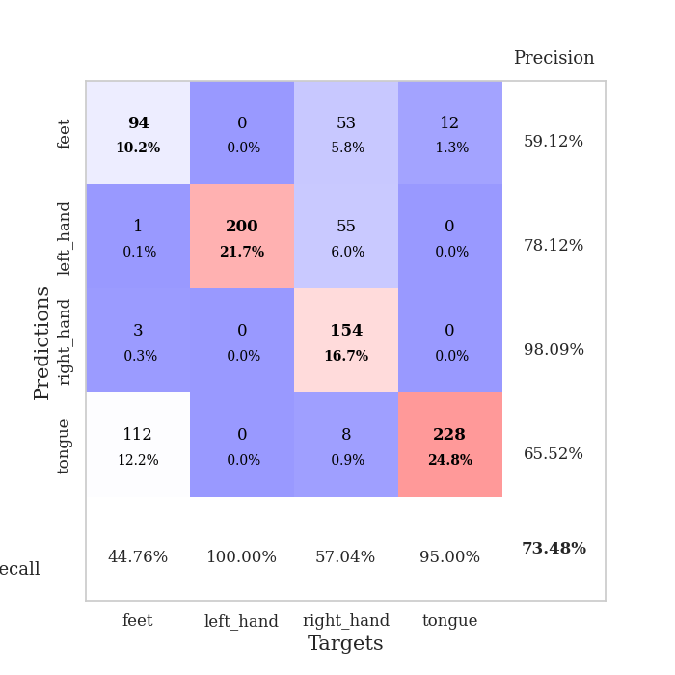
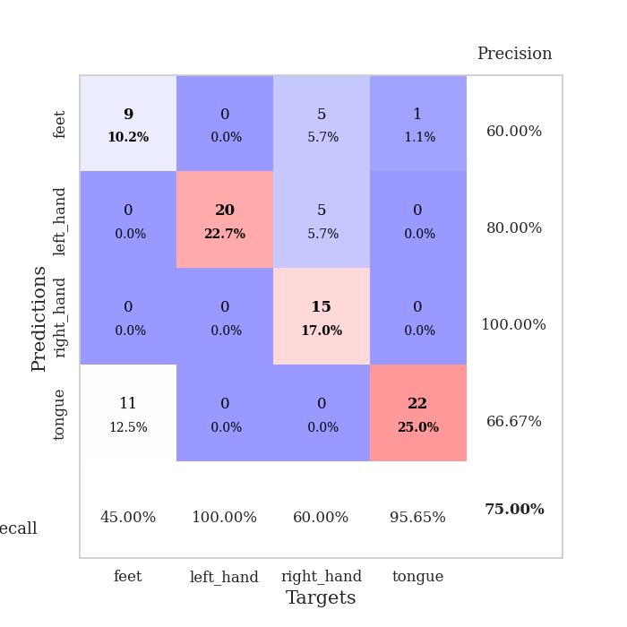
best_val_acc | best_val_los | best_test_acc
0.86956521739 | 0.31894645484 | 0.86206896552
0.76086956522 | 0.69973673769 | 0.74137931034
0.54347826087 | 2.3537126935 | 0.64655172414
0.83695652174 | 0.40624668546 | 0.87068965517
0.47826086957 | 1.7168790465 | 0.50862068966
0.67391304348 | 0.65158736965 | 0.73275862069
0.78260869565 | 0.41681862007 | 0.78448275862
0.70652173913 | 1.5713917639 | 0.72413793103
0.80434782609 | 0.51874080689 | 0.74137931034
0.89130434783 | 0.31928299691 | 0.83620689655

Mean,std Val accuracy is 0.7347826086956523 , 0.13655142912335694 and mean, std test accuracy is 0.7448275862068965 , 0.10829940930473135

Sheet1
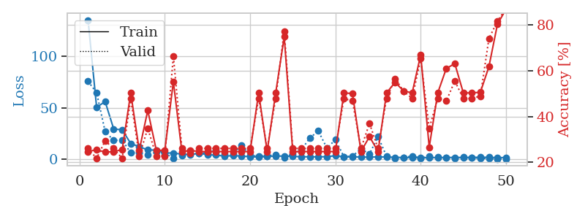
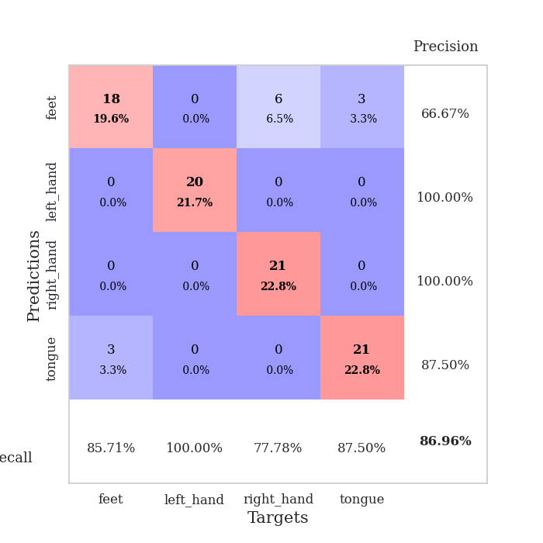
train_loss | valid_loss | train_accuracy | valid_accuracy | dur | train_misclass | valid_misclass
135.23817444 | 75.712782487 | 0.2472826087 | 0.26086956522 | 0.038615703583 | 24.72826087 | 26.086956522
50.478943253 | 64.701432601 | 0.25543478261 | 0.21739130435 | 0.037451267242 | 25.543478261 | 21.739130435
56.081100464 | 27.017277096 | 0.24456521739 | 0.29347826087 | 0.035884618759 | 24.456521739 | 29.347826087
29.534500504 | 18.349491783 | 0.2472826087 | 0.26086956522 | 0.036227703094 | 24.72826087 | 26.086956522
28.543144226 | 18.725976198 | 0.25543478261 | 0.21739130435 | 0.035910367966 | 25.543478261 | 21.739130435
15.379395294 | 6.2214601351 | 0.5027173913 | 0.47826086957 | 0.03600525856 | 50.27173913 | 47.826086957
12.133156013 | 6.186638065 | 0.2527173913 | 0.22826086957 | 0.036274671555 | 25.27173913 | 22.826086957
9.1639173508 | 4.4551809145 | 0.42663043478 | 0.34782608696 | 0.035944461823 | 42.663043478 | 34.782608696
8.870206356 | 6.8898428005 | 0.2527173913 | 0.22826086957 | 0.036325454712 | 25.27173913 | 22.826086957
6.1677256584 | 6.1512951644 | 0.2527173913 | 0.22826086957 | 0.036618709564 | 25.27173913 | 22.826086957
6.0602273941 | 0.94869613647 | 0.55163043478 | 0.66304347826 | 0.036236286163 | 55.163043478 | 66.304347826
4.9645881176 | 3.4668211937 | 0.2472826087 | 0.26086956522 | 0.036722898483 | 24.72826087 | 26.086956522
4.5386301994 | 5.2128698515 | 0.2527173913 | 0.23913043478 | 0.037252902985 | 25.27173913 | 23.913043478
5.849990797 | 5.5187431211 | 0.2472826087 | 0.26086956522 | 0.036750078201 | 24.72826087 | 26.086956522
4.4564047337 | 6.854509478 | 0.2472826087 | 0.26086956522 | 0.036508560181 | 24.72826087 | 26.086956522
4.034489584 | 8.6619940219 | 0.2472826087 | 0.26086956522 | 0.036548614502 | 24.72826087 | 26.086956522
3.0645898342 | 5.0020578219 | 0.2472826087 | 0.26086956522 | 0.037156581879 | 24.72826087 | 26.086956522
3.4915734291 | 5.4299756962 | 0.2472826087 | 0.26086956522 | 0.036920309067 | 24.72826087 | 26.086956522
3.1227557182 | 13.736327545 | 0.2472826087 | 0.26086956522 | 0.036211967468 | 24.72826087 | 26.086956522
2.4494306087 | 3.464454599 | 0.2472826087 | 0.26086956522 | 0.036546945572 | 24.72826087 | 26.086956522
2.1933400869 | 3.2460267958 | 0.5027173913 | 0.47826086957 | 0.036118030548 | 50.27173913 | 47.826086957
2.7080832481 | 3.1081538719 | 0.2472826087 | 0.26086956522 | 0.037214040756 | 24.72826087 | 26.086956522
3.0950265408 | 4.7390143975 | 0.5027173913 | 0.47826086957 | 0.03719496727 | 50.27173913 | 47.826086957
3.1162228107 | 1.4586164899 | 0.7472826087 | 0.77173913043 | 0.037183761597 | 74.72826087 | 77.173913043
2.8598175526 | 5.3888986007 | 0.2472826087 | 0.26086956522 | 0.036658763885 | 24.72826087 | 26.086956522
2.4327553749 | 9.0510661913 | 0.2472826087 | 0.26086956522 | 0.0372838974 | 24.72826087 | 26.086956522
2.4461484432 | 20.755385689 | 0.2472826087 | 0.26086956522 | 0.037003040314 | 24.72826087 | 26.086956522
2.384279561 | 27.442005323 | 0.2472826087 | 0.26086956522 | 0.037382364273 | 24.72826087 | 26.086956522
2.5499918938 | 10.935021193 | 0.2472826087 | 0.26086956522 | 0.036933660507 | 24.72826087 | 26.086956522
3.452205801 | 18.938328867 | 0.2472826087 | 0.26086956522 | 0.036428928375 | 24.72826087 | 26.086956522
2.322558713 | 2.4641052744 | 0.5027173913 | 0.47826086957 | 0.037634372711 | 50.27173913 | 47.826086957
2.3925433397 | 3.1155784441 | 0.5 | 0.46739130435 | 0.037415266037 | 50 | 46.739130435
2.149725008 | 10.073313464 | 0.2472826087 | 0.26086956522 | 0.03641462326 | 24.72826087 | 26.086956522
2.1038478613 | 5.2305482574 | 0.3125 | 0.36956521739 | 0.036140441895 | 31.25 | 36.956521739
2.298323822 | 22.139131795 | 0.2472826087 | 0.26086956522 | 0.036103963852 | 24.72826087 | 26.086956522
2.2036474228 | 2.7956662489 | 0.5027173913 | 0.47826086957 | 0.036107301712 | 50.27173913 | 47.826086957
1.9056977987 | 0.92560329385 | 0.54891304348 | 0.5652173913 | 0.036067724228 | 54.891304348 | 56.52173913
1.6955290556 | 1.5440853471 | 0.51086956522 | 0.51086956522 | 0.035975933075 | 51.086956522 | 51.086956522
1.7374240875 | 3.2590760044 | 0.5027173913 | 0.47826086957 | 0.0360891819 | 50.27173913 | 47.826086957
1.5810257196 | 0.96544146019 | 0.66847826087 | 0.65217391304 | 0.036069154739 | 66.847826087 | 65.217391304
1.4146201372 | 3.0239130829 | 0.26630434783 | 0.34782608696 | 0.035965681076 | 26.630434783 | 34.782608696
1.8570445776 | 1.9585067708 | 0.5027173913 | 0.47826086957 | 0.036040067673 | 50.27173913 | 47.826086957
1.6482627392 | 1.4719527234 | 0.60869565217 | 0.46739130435 | 0.036695480347 | 60.869565217 | 46.739130435
1.887472868 | 0.98791622079 | 0.63043478261 | 0.55434782609 | 0.036553144455 | 63.043478261 | 55.434782609
1.6055378437 | 2.0600578163 | 0.5027173913 | 0.47826086957 | 0.036375761032 | 50.27173913 | 47.826086957
1.8285153151 | 1.5130726825 | 0.5027173913 | 0.47826086957 | 0.036217689514 | 50.27173913 | 47.826086957
1.9425427198 | 1.1485536047 | 0.50543478261 | 0.48913043478 | 0.036065816879 | 50.543478261 | 48.913043478
1.9323165655 | 0.55882225088 | 0.61684782609 | 0.73913043478 | 0.036143064499 | 61.684782609 | 73.913043478
1.5708284616 | 0.35204644177 | 0.80163043478 | 0.8152173913 | 0.035977840424 | 80.163043478 | 81.52173913
1.7013971329 | 0.31894645484 | 0.86684782609 | 0.86956521739 | 0.036369085312 | 86.684782609 | 86.956521739

Best Val accuracy is 0.8695652173913043 and Best test accuracy is 0.8620689655172413

Sheet2
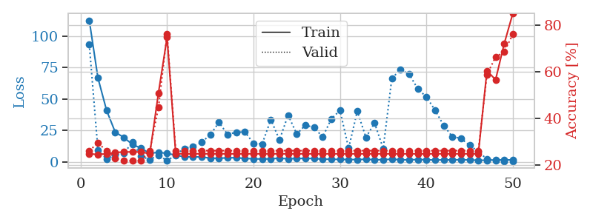
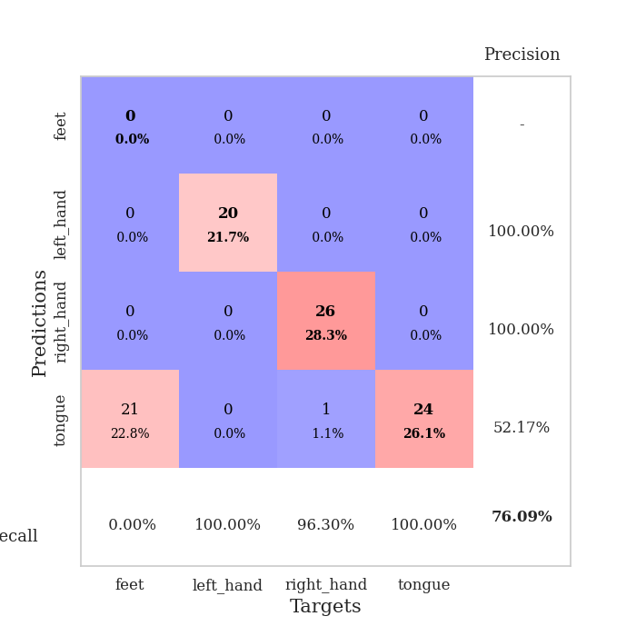
train_loss | valid_loss | train_accuracy | valid_accuracy | dur | train_misclass | valid_misclass
112.52104912 | 93.416707578 | 0.2472826087 | 0.26086956522 | 0.03795003891 | 24.72826087 | 26.086956522
66.834873199 | 9.6509045311 | 0.24456521739 | 0.29347826087 | 0.036337614059 | 24.456521739 | 29.347826087
41.054745483 | 2.152062385 | 0.2472826087 | 0.26086956522 | 0.037266016006 | 24.72826087 | 26.086956522
23.737863541 | 5.8468210179 | 0.2527173913 | 0.22826086957 | 0.037397861481 | 25.27173913 | 22.826086957
19.484184647 | 7.04261446 | 0.25543478261 | 0.21739130435 | 0.036769151688 | 25.543478261 | 21.739130435
13.89373951 | 15.647195111 | 0.25543478261 | 0.21739130435 | 0.037168264389 | 25.543478261 | 21.739130435
10.952928162 | 4.409294937 | 0.25543478261 | 0.21739130435 | 0.036643743515 | 25.543478261 | 21.739130435
6.7730624676 | 1.9945897227 | 0.2472826087 | 0.26086956522 | 0.037737846375 | 24.72826087 | 26.086956522
7.8061332703 | 5.4131804135 | 0.50815217391 | 0.44565217391 | 0.036203145981 | 50.815217391 | 44.565217391
6.7760745049 | 0.99436244239 | 0.7472826087 | 0.76086956522 | 0.036363601685 | 74.72826087 | 76.086956522
5.5378390312 | 5.6752605853 | 0.2472826087 | 0.26086956522 | 0.037034749985 | 24.72826087 | 26.086956522
4.0264893055 | 10.774897119 | 0.2472826087 | 0.26086956522 | 0.037103176117 | 24.72826087 | 26.086956522
4.1415777206 | 12.285376839 | 0.2472826087 | 0.26086956522 | 0.037182569504 | 24.72826087 | 26.086956522
3.9693789005 | 15.67497411 | 0.2472826087 | 0.26086956522 | 0.036920070648 | 24.72826087 | 26.086956522
3.0483438015 | 21.718399628 | 0.2472826087 | 0.26086956522 | 0.036920785904 | 24.72826087 | 26.086956522
2.9681476116 | 31.426341513 | 0.2472826087 | 0.26086956522 | 0.038730621338 | 24.72826087 | 26.086956522
3.3278372049 | 21.973299939 | 0.2472826087 | 0.26086956522 | 0.038499593735 | 24.72826087 | 26.086956522
3.4174637794 | 23.625441344 | 0.2472826087 | 0.26086956522 | 0.037495136261 | 24.72826087 | 26.086956522
2.7700457335 | 23.925535285 | 0.2472826087 | 0.26086956522 | 0.037559509277 | 24.72826087 | 26.086956522
2.5983927727 | 14.80236692 | 0.2472826087 | 0.26086956522 | 0.036871433258 | 24.72826087 | 26.086956522
2.3309279919 | 14.337339235 | 0.2472826087 | 0.26086956522 | 0.037020206451 | 24.72826087 | 26.086956522
2.5545769691 | 33.744825446 | 0.2472826087 | 0.26086956522 | 0.036313533783 | 24.72826087 | 26.086956522
3.0057796478 | 17.582728427 | 0.2472826087 | 0.26086956522 | 0.036086559296 | 24.72826087 | 26.086956522
2.534646368 | 37.264255192 | 0.2472826087 | 0.26086956522 | 0.036363124847 | 24.72826087 | 26.086956522
2.8272311211 | 22.20881006 | 0.2472826087 | 0.26086956522 | 0.036862611771 | 24.72826087 | 26.086956522
2.7918060303 | 29.249417264 | 0.2472826087 | 0.26086956522 | 0.036263227463 | 24.72826087 | 26.086956522
2.785550642 | 27.45520061 | 0.2472826087 | 0.26086956522 | 0.036241054535 | 24.72826087 | 26.086956522
2.2337157965 | 19.836447674 | 0.2472826087 | 0.26086956522 | 0.036472558975 | 24.72826087 | 26.086956522
2.2255241394 | 34.338656384 | 0.2472826087 | 0.26086956522 | 0.036996126175 | 24.72826087 | 26.086956522
2.0656981945 | 40.975065812 | 0.2472826087 | 0.26086956522 | 0.036463737488 | 24.72826087 | 26.086956522
1.9950586081 | 10.876578082 | 0.2472826087 | 0.26086956522 | 0.037311553955 | 24.72826087 | 26.086956522
1.9336659431 | 40.378800434 | 0.2472826087 | 0.26086956522 | 0.036869287491 | 24.72826087 | 26.086956522
2.1590874434 | 19.552689345 | 0.2472826087 | 0.26086956522 | 0.036983966827 | 24.72826087 | 26.086956522
1.8319472313 | 30.937802937 | 0.2472826087 | 0.26086956522 | 0.037912130356 | 24.72826087 | 26.086956522
1.8208593369 | 10.763325981 | 0.2472826087 | 0.26086956522 | 0.036768913269 | 24.72826087 | 26.086956522
2.300957036 | 66.585652227 | 0.2472826087 | 0.26086956522 | 0.036396503448 | 24.72826087 | 26.086956522
1.7517835855 | 73.266331217 | 0.2472826087 | 0.26086956522 | 0.036582231522 | 24.72826087 | 26.086956522
1.7347688437 | 69.854115362 | 0.2472826087 | 0.26086956522 | 0.036077022552 | 24.72826087 | 26.086956522
1.9767899275 | 58.002287823 | 0.2472826087 | 0.26086956522 | 0.035947322845 | 24.72826087 | 26.086956522
1.8004518509 | 51.712214097 | 0.2472826087 | 0.26086956522 | 0.036513328552 | 24.72826087 | 26.086956522
1.5595224142 | 41.136430492 | 0.2472826087 | 0.26086956522 | 0.036764860153 | 24.72826087 | 26.086956522
1.7239734173 | 28.95217456 | 0.2472826087 | 0.26086956522 | 0.036134719849 | 24.72826087 | 26.086956522
1.6702750921 | 20.155331653 | 0.2472826087 | 0.26086956522 | 0.038249969482 | 24.72826087 | 26.086956522
1.8207495213 | 18.698709322 | 0.2472826087 | 0.26086956522 | 0.036514997482 | 24.72826087 | 26.086956522
1.6596339345 | 13.255817289 | 0.2472826087 | 0.26086956522 | 0.035935640335 | 24.72826087 | 26.086956522
1.3781588316 | 8.2732210989 | 0.2472826087 | 0.26086956522 | 0.035781145096 | 24.72826087 | 26.086956522
1.405243659 | 2.2796444686 | 0.60326086957 | 0.58695652174 | 0.036409854889 | 60.326086957 | 58.695652174
1.6762160778 | 1.2895556066 | 0.5652173913 | 0.66304347826 | 0.036134719849 | 56.52173913 | 66.304347826
1.6477830887 | 0.81919115263 | 0.72010869565 | 0.6847826087 | 0.03627705574 | 72.010869565 | 68.47826087
1.7032307148 | 0.69973673769 | 0.85054347826 | 0.76086956522 | 0.036434412003 | 85.054347826 | 76.086956522

Best Val accuracy is 0.7608695652173914 and Best test accuracy is 0.7413793103448276

Sheet3
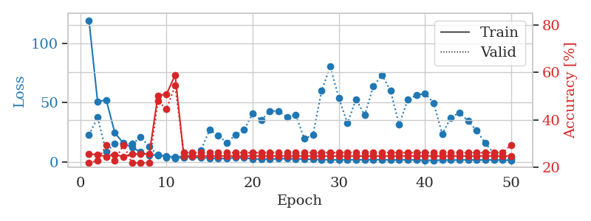
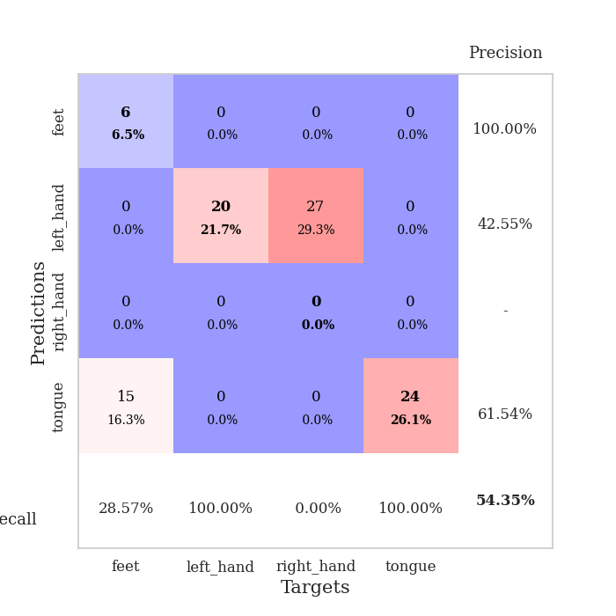
train_loss | valid_loss | train_accuracy | valid_accuracy | dur | train_misclass | valid_misclass
119.39629498 | 22.71920312 | 0.25543478261 | 0.21739130435 | 0.042155981064 | 25.543478261 | 21.739130435
50.766545868 | 37.713072569 | 0.2527173913 | 0.22826086957 | 0.036595821381 | 25.27173913 | 22.826086957
52.366727829 | 8.3615035181 | 0.24456521739 | 0.29347826087 | 0.038219690323 | 24.456521739 | 29.347826087
24.556755066 | 15.479785629 | 0.2527173913 | 0.22826086957 | 0.036714076996 | 25.27173913 | 22.826086957
15.827679348 | 15.707299481 | 0.24456521739 | 0.29347826087 | 0.037217617035 | 24.456521739 | 29.347826087
12.179568291 | 15.179623148 | 0.25543478261 | 0.21739130435 | 0.03659081459 | 25.543478261 | 21.739130435
8.5874069214 | 20.874088287 | 0.25543478261 | 0.21739130435 | 0.036610364914 | 25.543478261 | 21.739130435
5.5907849312 | 13.222923901 | 0.25543478261 | 0.21739130435 | 0.036247491837 | 25.543478261 | 21.739130435
6.0636675835 | 5.5727306864 | 0.5027173913 | 0.47826086957 | 0.036136627197 | 50.27173913 | 47.826086957
4.8300524712 | 3.9336254493 | 0.50815217391 | 0.44565217391 | 0.03702044487 | 50.815217391 | 44.565217391
4.3399621964 | 2.9034729315 | 0.58967391304 | 0.54347826087 | 0.03631067276 | 58.967391304 | 54.347826087
4.531888485 | 3.7981184151 | 0.2472826087 | 0.26086956522 | 0.036725759506 | 24.72826087 | 26.086956522
4.080068922 | 6.8307140806 | 0.2472826087 | 0.26086956522 | 0.036844968796 | 24.72826087 | 26.086956522
3.6400205135 | 10.068293654 | 0.2472826087 | 0.26086956522 | 0.036102294922 | 24.72826087 | 26.086956522
3.3751126766 | 27.033633274 | 0.2472826087 | 0.26086956522 | 0.036088466644 | 24.72826087 | 26.086956522
3.1021682739 | 22.520462119 | 0.2472826087 | 0.26086956522 | 0.037074804306 | 24.72826087 | 26.086956522
2.8947520256 | 16.188165996 | 0.2472826087 | 0.26086956522 | 0.037075519562 | 24.72826087 | 26.086956522
3.9459469795 | 22.71477492 | 0.2472826087 | 0.26086956522 | 0.037524938583 | 24.72826087 | 26.086956522
3.4611127853 | 27.01126082 | 0.2472826087 | 0.26086956522 | 0.037780761719 | 24.72826087 | 26.086956522
2.7165342331 | 40.900438392 | 0.2472826087 | 0.26086956522 | 0.037577152252 | 24.72826087 | 26.086956522
2.46347332 | 35.185592154 | 0.2472826087 | 0.26086956522 | 0.037546157837 | 24.72826087 | 26.086956522
2.3932589054 | 43.077434042 | 0.2472826087 | 0.26086956522 | 0.037288427353 | 24.72826087 | 26.086956522
2.8606329918 | 42.838349218 | 0.2472826087 | 0.26086956522 | 0.03745508194 | 24.72826087 | 26.086956522
2.8440690756 | 37.946038288 | 0.2472826087 | 0.26086956522 | 0.037686109543 | 24.72826087 | 26.086956522
2.6122650623 | 39.386275416 | 0.2472826087 | 0.26086956522 | 0.036873579025 | 24.72826087 | 26.086956522
2.6283898354 | 19.638602796 | 0.2472826087 | 0.26086956522 | 0.038256168365 | 24.72826087 | 26.086956522
2.2813834667 | 22.890365849 | 0.2472826087 | 0.26086956522 | 0.037737131119 | 24.72826087 | 26.086956522
1.9588601828 | 59.999486177 | 0.2472826087 | 0.26086956522 | 0.037618398666 | 24.72826087 | 26.086956522
2.0333070993 | 80.383911796 | 0.2472826087 | 0.26086956522 | 0.037299633026 | 24.72826087 | 26.086956522
1.7575150967 | 53.891386613 | 0.2472826087 | 0.26086956522 | 0.036919593811 | 24.72826087 | 26.086956522
1.9041525364 | 32.642971205 | 0.2472826087 | 0.26086956522 | 0.037046909332 | 24.72826087 | 26.086956522
1.9025151491 | 53.000993314 | 0.2472826087 | 0.26086956522 | 0.037809371948 | 24.72826087 | 26.086956522
1.8635381222 | 39.436487778 | 0.2472826087 | 0.26086956522 | 0.036166667938 | 24.72826087 | 26.086956522
1.9807991505 | 63.627163763 | 0.2472826087 | 0.26086956522 | 0.036283254623 | 24.72826087 | 26.086956522
2.0210488796 | 73.483457814 | 0.2472826087 | 0.26086956522 | 0.03689789772 | 24.72826087 | 26.086956522
1.636745882 | 59.919694154 | 0.2472826087 | 0.26086956522 | 0.036172151566 | 24.72826087 | 26.086956522
1.8673133373 | 31.513440505 | 0.2472826087 | 0.26086956522 | 0.036305189133 | 24.72826087 | 26.086956522
1.8452178001 | 52.547005363 | 0.2472826087 | 0.26086956522 | 0.036732196808 | 24.72826087 | 26.086956522
1.7443859339 | 56.31620291 | 0.2472826087 | 0.26086956522 | 0.036513805389 | 24.72826087 | 26.086956522
1.5177898169 | 57.701298755 | 0.2472826087 | 0.26086956522 | 0.036620855331 | 24.72826087 | 26.086956522
1.3791385412 | 49.779287753 | 0.2472826087 | 0.26086956522 | 0.036965370178 | 24.72826087 | 26.086956522
1.6505340815 | 23.55612788 | 0.2472826087 | 0.26086956522 | 0.036686182022 | 24.72826087 | 26.086956522
1.6315007925 | 37.479004404 | 0.2472826087 | 0.26086956522 | 0.036750078201 | 24.72826087 | 26.086956522
1.7154423237 | 41.62817814 | 0.2472826087 | 0.26086956522 | 0.036953449249 | 24.72826087 | 26.086956522
1.887097311 | 34.617765012 | 0.2472826087 | 0.26086956522 | 0.036212682724 | 24.72826087 | 26.086956522
1.7090366125 | 26.51923644 | 0.2472826087 | 0.26086956522 | 0.036201477051 | 24.72826087 | 26.086956522
1.7905223846 | 15.816113928 | 0.2472826087 | 0.26086956522 | 0.037061214447 | 24.72826087 | 26.086956522
1.7710531473 | 7.288586886 | 0.2472826087 | 0.26086956522 | 0.037242889404 | 24.72826087 | 26.086956522
1.6234494925 | 4.1125216277 | 0.2472826087 | 0.26086956522 | 0.037321329117 | 24.72826087 | 26.086956522
1.4431775093 | 2.3537126935 | 0.2472826087 | 0.29347826087 | 0.036919116974 | 24.72826087 | 29.347826087

Best Val accuracy is 0.5434782608695652 and Best test accuracy is 0.646551724137931

Sheet4
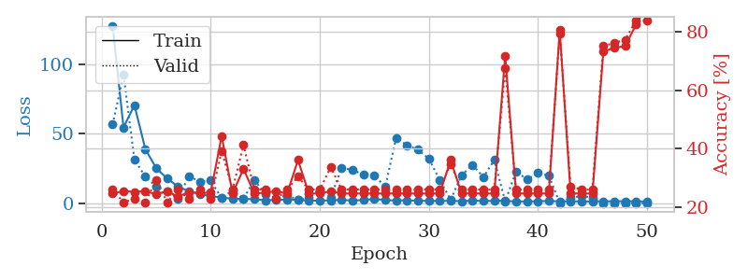
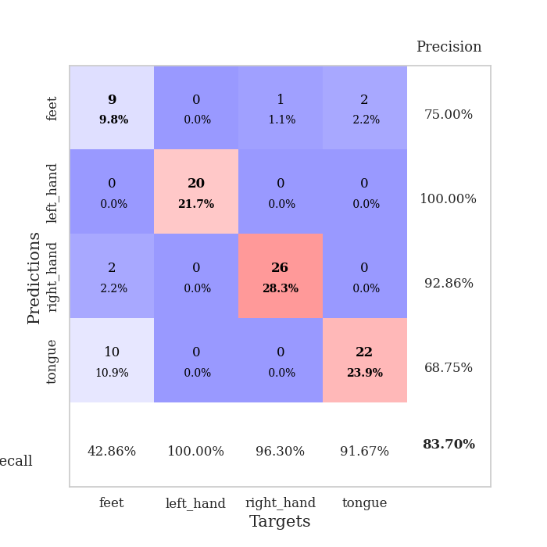
train_loss | valid_loss | train_accuracy | valid_accuracy | dur | train_misclass | valid_misclass
127.3791441 | 56.730129905 | 0.2472826087 | 0.26086956522 | 0.039771080017 | 24.72826087 | 26.086956522
54.556426239 | 92.340175463 | 0.25543478261 | 0.21739130435 | 0.038233757019 | 25.543478261 | 21.739130435
70.577436066 | 31.544085295 | 0.2527173913 | 0.22826086957 | 0.038537025452 | 25.27173913 | 22.826086957
39.113837814 | 19.462105378 | 0.25543478261 | 0.21739130435 | 0.038701295853 | 25.543478261 | 21.739130435
25.4919981 | 12.191664945 | 0.24456521739 | 0.29347826087 | 0.038449525833 | 24.456521739 | 29.347826087
18.088885689 | 8.7366339227 | 0.25543478261 | 0.21739130435 | 0.038111448288 | 25.543478261 | 21.739130435
12.369411182 | 3.845160816 | 0.23641304348 | 0.26086956522 | 0.038642883301 | 23.641304348 | 26.086956522
8.9396142006 | 19.908169954 | 0.2527173913 | 0.22826086957 | 0.037920475006 | 25.27173913 | 22.826086957
7.1740981579 | 15.803318438 | 0.2472826087 | 0.26086956522 | 0.037373781204 | 24.72826087 | 26.086956522
5.5066702843 | 16.645995596 | 0.2527173913 | 0.22826086957 | 0.036907672882 | 25.27173913 | 22.826086957
4.4155890465 | 3.9141371043 | 0.44293478261 | 0.39130434783 | 0.037810325623 | 44.293478261 | 39.130434783
3.6651292801 | 9.747282277 | 0.2472826087 | 0.26086956522 | 0.037198543549 | 24.72826087 | 26.086956522
3.3645625114 | 3.7484432925 | 0.33152173913 | 0.41304347826 | 0.037873506546 | 33.152173913 | 41.304347826
3.3939948082 | 16.999791519 | 0.2472826087 | 0.26086956522 | 0.038242578506 | 24.72826087 | 26.086956522
2.4795318127 | 6.9441882009 | 0.25 | 0.26086956522 | 0.038162946701 | 25 | 26.086956522
2.7513762951 | 3.8336785876 | 0.25543478261 | 0.22826086957 | 0.037939548492 | 25.543478261 | 22.826086957
2.9997213364 | 6.1668091857 | 0.2472826087 | 0.26086956522 | 0.037703037262 | 24.72826087 | 26.086956522
2.7607854128 | 2.7544573908 | 0.36141304348 | 0.30434782609 | 0.037976026535 | 36.141304348 | 30.434782609
2.256005621 | 4.5219612329 | 0.2472826087 | 0.26086956522 | 0.037408590317 | 24.72826087 | 26.086956522
2.2431235313 | 10.48233393 | 0.2472826087 | 0.26086956522 | 0.038743972778 | 24.72826087 | 26.086956522
2.4550974846 | 4.3148954018 | 0.25543478261 | 0.33695652174 | 0.039376020432 | 25.543478261 | 33.695652174
2.7224529266 | 25.745724637 | 0.2472826087 | 0.26086956522 | 0.038051128387 | 24.72826087 | 26.086956522
2.3724308968 | 24.277614511 | 0.2472826087 | 0.26086956522 | 0.038130998611 | 24.72826087 | 26.086956522
2.648824358 | 20.778323132 | 0.2472826087 | 0.26086956522 | 0.038743257523 | 24.72826087 | 26.086956522
3.4680214882 | 20.450709219 | 0.2472826087 | 0.26086956522 | 0.037100076675 | 24.72826087 | 26.086956522
2.6454355717 | 12.158654006 | 0.2472826087 | 0.26086956522 | 0.037613391876 | 24.72826087 | 26.086956522
2.3575968027 | 47.191154978 | 0.2472826087 | 0.26086956522 | 0.037023067474 | 24.72826087 | 26.086956522
2.540792799 | 41.852077152 | 0.2472826087 | 0.26086956522 | 0.037467718124 | 24.72826087 | 26.086956522
2.1446546078 | 38.637383171 | 0.2472826087 | 0.26086956522 | 0.038013458252 | 24.72826087 | 26.086956522
2.0235767841 | 32.200943325 | 0.2472826087 | 0.26086956522 | 0.037659645081 | 24.72826087 | 26.086956522
2.0045913458 | 17.006330656 | 0.2472826087 | 0.26086956522 | 0.037372112274 | 24.72826087 | 26.086956522
2.0525365591 | 2.9690404146 | 0.36141304348 | 0.34782608696 | 0.037001371384 | 36.141304348 | 34.782608696
1.8957595825 | 20.329851068 | 0.2472826087 | 0.26086956522 | 0.03667640686 | 24.72826087 | 26.086956522
2.1678347826 | 27.834692416 | 0.2472826087 | 0.26086956522 | 0.037496805191 | 24.72826087 | 26.086956522
1.997441721 | 19.081694064 | 0.2472826087 | 0.26086956522 | 0.037521600723 | 24.72826087 | 26.086956522
2.068216157 | 31.387415762 | 0.2472826087 | 0.26086956522 | 0.036767721176 | 24.72826087 | 26.086956522
2.0721560717 | 1.7817750858 | 0.71739130435 | 0.67391304348 | 0.036867380142 | 71.739130435 | 67.391304348
1.6412828207 | 23.137617028 | 0.2472826087 | 0.26086956522 | 0.038545131683 | 24.72826087 | 26.086956522
1.7272412539 | 17.371715877 | 0.2472826087 | 0.26086956522 | 0.03802728653 | 24.72826087 | 26.086956522
1.7916778326 | 21.990213228 | 0.2472826087 | 0.26086956522 | 0.037577390671 | 24.72826087 | 26.086956522
2.0141892195 | 20.163953118 | 0.2472826087 | 0.26086956522 | 0.037170171738 | 24.72826087 | 26.086956522
1.6874597549 | 0.56355451501 | 0.80434782609 | 0.79347826087 | 0.037285089493 | 80.434782609 | 79.347826087
1.7764814615 | 3.9519947197 | 0.2472826087 | 0.27173913043 | 0.037884712219 | 24.72826087 | 27.173913043
1.7138970852 | 5.7282338557 | 0.2472826087 | 0.26086956522 | 0.036915302277 | 24.72826087 | 26.086956522
1.6215948343 | 4.2262850844 | 0.2472826087 | 0.26086956522 | 0.037548065186 | 24.72826087 | 26.086956522
1.764198041 | 0.56011762049 | 0.73097826087 | 0.75 | 0.036295175552 | 73.097826087 | 75
1.8006210089 | 0.51887642041 | 0.74456521739 | 0.76086956522 | 0.037207365036 | 74.456521739 | 76.086956522
1.8235776782 | 0.5089364622 | 0.75 | 0.77173913043 | 0.036739349365 | 75 | 77.173913043
1.7757634401 | 0.42040024374 | 0.82336956522 | 0.83695652174 | 0.039781808853 | 82.336956522 | 83.695652174
1.6396573067 | 0.40624668546 | 0.88858695652 | 0.83695652174 | 0.039228439331 | 88.858695652 | 83.695652174

Best Val accuracy is 0.8369565217391305 and Best test accuracy is 0.8706896551724138

Sheet5
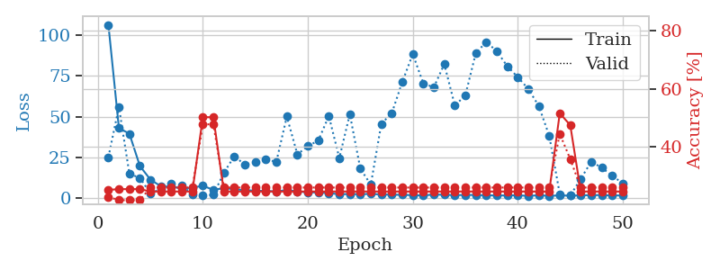
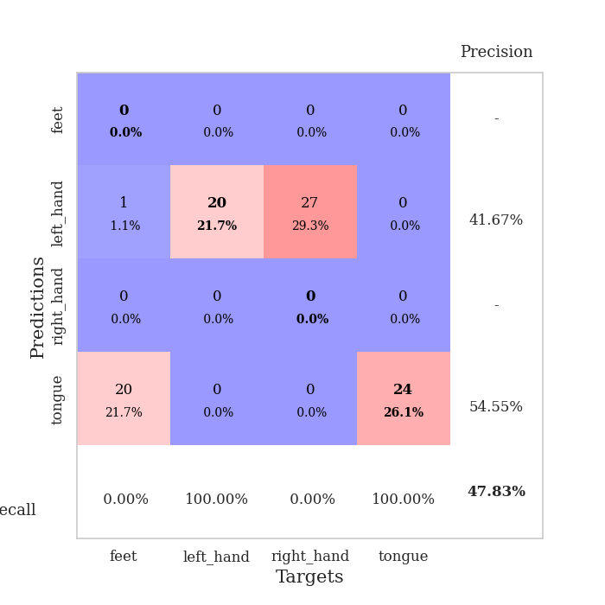
train_loss | valid_loss | train_accuracy | valid_accuracy | dur | train_misclass | valid_misclass
106.40598335 | 25.259452322 | 0.2527173913 | 0.22826086957 | 0.038884401321 | 25.27173913 | 22.826086957
43.120986557 | 56.035532081 | 0.25543478261 | 0.21739130435 | 0.03736114502 | 25.543478261 | 21.739130435
39.629011154 | 15.066305326 | 0.25543478261 | 0.21739130435 | 0.037306308746 | 25.543478261 | 21.739130435
19.822054291 | 12.529389381 | 0.25543478261 | 0.21739130435 | 0.037066459656 | 25.543478261 | 21.739130435
11.523958874 | 3.0975915867 | 0.2472826087 | 0.26086956522 | 0.037763834 | 24.72826087 | 26.086956522
7.3881124973 | 5.6475740723 | 0.2472826087 | 0.26086956522 | 0.03701376915 | 24.72826087 | 26.086956522
7.1165096283 | 8.8076310365 | 0.2472826087 | 0.26086956522 | 0.036779165268 | 24.72826087 | 26.086956522
6.189647007 | 8.2065442127 | 0.2472826087 | 0.26086956522 | 0.036282062531 | 24.72826087 | 26.086956522
6.5020942688 | 2.1535359051 | 0.2472826087 | 0.26086956522 | 0.036488294601 | 24.72826087 | 26.086956522
7.7459229469 | 1.7168790465 | 0.5027173913 | 0.47826086957 | 0.036561012268 | 50.27173913 | 47.826086957
5.1781819344 | 2.1972518382 | 0.5027173913 | 0.47826086957 | 0.039052009583 | 50.27173913 | 47.826086957
6.3229242325 | 15.68314233 | 0.2472826087 | 0.26086956522 | 0.037234306335 | 24.72826087 | 26.086956522
5.6700915813 | 25.861333432 | 0.2472826087 | 0.26086956522 | 0.036801815033 | 24.72826087 | 26.086956522
4.9463294029 | 20.597501755 | 0.2472826087 | 0.26086956522 | 0.03689956665 | 24.72826087 | 26.086956522
4.7806256771 | 22.417846763 | 0.2472826087 | 0.26086956522 | 0.037197351456 | 24.72826087 | 26.086956522
4.4421550751 | 23.766373593 | 0.2472826087 | 0.26086956522 | 0.036669015884 | 24.72826087 | 26.086956522
4.3269182205 | 22.451192524 | 0.2472826087 | 0.26086956522 | 0.03698015213 | 24.72826087 | 26.086956522
5.014107132 | 50.163729129 | 0.2472826087 | 0.26086956522 | 0.03676700592 | 24.72826087 | 26.086956522
4.256028223 | 26.946720704 | 0.2472826087 | 0.26086956522 | 0.037089347839 | 24.72826087 | 26.086956522
3.7270555496 | 32.011833025 | 0.2472826087 | 0.26086956522 | 0.036707878113 | 24.72826087 | 26.086956522
3.599546814 | 35.44360252 | 0.2472826087 | 0.26086956522 | 0.037107467651 | 24.72826087 | 26.086956522
3.2128259182 | 50.487000673 | 0.2472826087 | 0.26086956522 | 0.036644697189 | 24.72826087 | 26.086956522
2.5065809727 | 24.704460227 | 0.2472826087 | 0.26086956522 | 0.036545038223 | 24.72826087 | 26.086956522
2.6753778458 | 51.642763884 | 0.2472826087 | 0.26086956522 | 0.036733865738 | 24.72826087 | 26.086956522
2.5254117966 | 18.182471317 | 0.2472826087 | 0.26086956522 | 0.036438465118 | 24.72826087 | 26.086956522
2.7565000534 | 8.3949208467 | 0.2472826087 | 0.26086956522 | 0.038725852966 | 24.72826087 | 26.086956522
2.3567618132 | 45.694214365 | 0.2472826087 | 0.26086956522 | 0.036519765854 | 24.72826087 | 26.086956522
2.2306384325 | 52.215383613 | 0.2472826087 | 0.26086956522 | 0.037186861038 | 24.72826087 | 26.086956522
2.155873847 | 71.407293237 | 0.2472826087 | 0.26086956522 | 0.037224292755 | 24.72826087 | 26.086956522
1.9622667313 | 88.42992368 | 0.2472826087 | 0.26086956522 | 0.036831617355 | 24.72826087 | 26.086956522
1.7905148506 | 70.46436144 | 0.2472826087 | 0.26086956522 | 0.036742448807 | 24.72826087 | 26.086956522
2.363046217 | 68.039254562 | 0.2472826087 | 0.26086956522 | 0.036294698715 | 24.72826087 | 26.086956522
2.1625254869 | 82.291050455 | 0.2472826087 | 0.26086956522 | 0.036925077438 | 24.72826087 | 26.086956522
1.9729107141 | 56.99579355 | 0.2472826087 | 0.26086956522 | 0.03701543808 | 24.72826087 | 26.086956522
2.0884988785 | 62.954320493 | 0.2472826087 | 0.26086956522 | 0.038297653198 | 24.72826087 | 26.086956522
2.087887907 | 88.991985819 | 0.2472826087 | 0.26086956522 | 0.037322282791 | 24.72826087 | 26.086956522
1.871980381 | 95.889237445 | 0.2472826087 | 0.26086956522 | 0.037022352219 | 24.72826087 | 26.086956522
1.7731152296 | 90.206361522 | 0.2472826087 | 0.26086956522 | 0.03737449646 | 24.72826087 | 26.086956522
1.7726201057 | 81.003358592 | 0.2472826087 | 0.26086956522 | 0.036691904068 | 24.72826087 | 26.086956522
1.9328977823 | 74.310815562 | 0.2472826087 | 0.26086956522 | 0.036916255951 | 24.72826087 | 26.086956522
1.4673405886 | 67.095714735 | 0.2472826087 | 0.26086956522 | 0.036412000656 | 24.72826087 | 26.086956522
1.9526279926 | 56.663839755 | 0.2472826087 | 0.26086956522 | 0.036433696747 | 24.72826087 | 26.086956522
1.5393931627 | 38.336363419 | 0.2472826087 | 0.26086956522 | 0.03662776947 | 24.72826087 | 26.086956522
1.7973715544 | 2.6963228246 | 0.51630434783 | 0.44565217391 | 0.036419630051 | 51.630434783 | 44.565217391
1.6394335747 | 1.742265862 | 0.47554347826 | 0.35869565217 | 0.038305282593 | 47.554347826 | 35.869565217
1.8879283905 | 11.966377134 | 0.2472826087 | 0.26086956522 | 0.036025285721 | 24.72826087 | 26.086956522
1.9604084253 | 22.476167762 | 0.2472826087 | 0.26086956522 | 0.036278486252 | 24.72826087 | 26.086956522
2.03294034 | 18.793090406 | 0.2472826087 | 0.26086956522 | 0.036152839661 | 24.72826087 | 26.086956522
1.7912313461 | 13.858765561 | 0.2472826087 | 0.26086956522 | 0.036023378372 | 24.72826087 | 26.086956522
1.7942739964 | 9.2030067858 | 0.2472826087 | 0.26086956522 | 0.036403417587 | 24.72826087 | 26.086956522

Best Val accuracy is 0.4782608695652174 and Best test accuracy is 0.5086206896551724

Sheet6
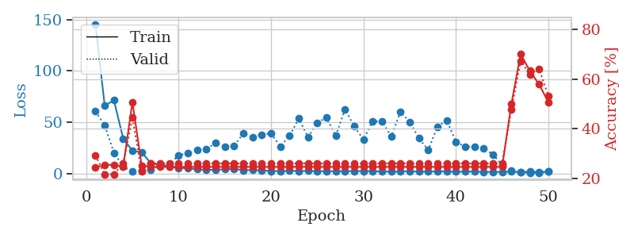
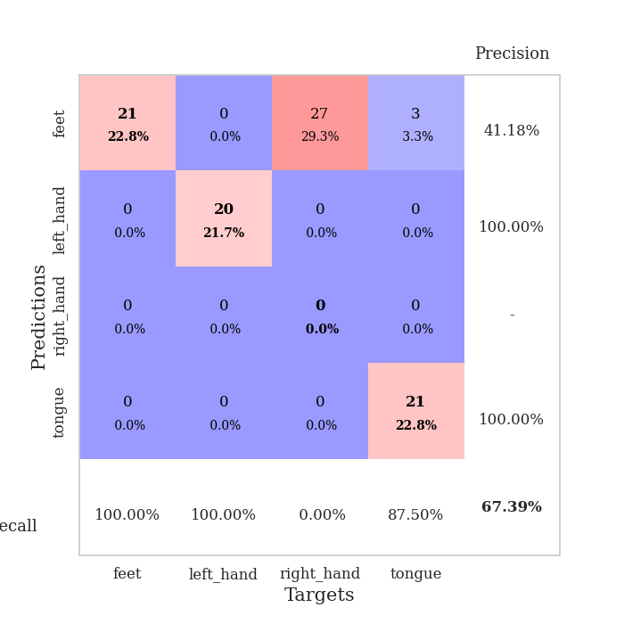
train_loss | valid_loss | train_accuracy | valid_accuracy | dur | train_misclass | valid_misclass
145.16214142 | 60.482904683 | 0.24456521739 | 0.29347826087 | 0.038564920425 | 24.456521739 | 29.347826087
66.235650635 | 46.990287615 | 0.25543478261 | 0.21739130435 | 0.036593198776 | 25.543478261 | 21.739130435
71.294098663 | 20.222130817 | 0.25543478261 | 0.21739130435 | 0.036050081253 | 25.543478261 | 21.739130435
34.019478607 | 6.5264068894 | 0.2472826087 | 0.26086956522 | 0.036111354828 | 24.72826087 | 26.086956522
22.190305519 | 2.106528562 | 0.50815217391 | 0.44565217391 | 0.036638021469 | 50.815217391 | 44.565217391
20.575795746 | 3.247133141 | 0.2527173913 | 0.22826086957 | 0.036510944366 | 25.27173913 | 22.826086957
10.186735916 | 3.8534833659 | 0.2472826087 | 0.26086956522 | 0.036276102066 | 24.72826087 | 26.086956522
8.0485248566 | 7.3253222963 | 0.2472826087 | 0.26086956522 | 0.036127567291 | 24.72826087 | 26.086956522
6.8050061226 | 8.6984351614 | 0.2472826087 | 0.26086956522 | 0.036758899689 | 24.72826087 | 26.086956522
5.5660694122 | 17.94025048 | 0.2472826087 | 0.26086956522 | 0.037041187286 | 24.72826087 | 26.086956522
5.0736559868 | 19.674775994 | 0.2472826087 | 0.26086956522 | 0.037065267563 | 24.72826087 | 26.086956522
4.0965631008 | 23.061620049 | 0.2472826087 | 0.26086956522 | 0.03665304184 | 24.72826087 | 26.086956522
3.7290232182 | 23.491012988 | 0.2472826087 | 0.26086956522 | 0.036051988602 | 24.72826087 | 26.086956522
3.6002741814 | 30.051248965 | 0.2472826087 | 0.26086956522 | 0.036314249039 | 24.72826087 | 26.086956522
4.1436523438 | 26.299055182 | 0.2472826087 | 0.26086956522 | 0.036780595779 | 24.72826087 | 26.086956522
4.5733207703 | 26.925588359 | 0.2472826087 | 0.26086956522 | 0.036553144455 | 24.72826087 | 26.086956522
3.2560992718 | 39.068229344 | 0.2472826087 | 0.26086956522 | 0.036903142929 | 24.72826087 | 26.086956522
3.5656285286 | 35.191099084 | 0.2472826087 | 0.26086956522 | 0.039925813675 | 24.72826087 | 26.086956522
3.1201264858 | 38.041148144 | 0.2472826087 | 0.26086956522 | 0.035737991333 | 24.72826087 | 26.086956522
2.4859959841 | 39.016274825 | 0.2472826087 | 0.26086956522 | 0.035685777664 | 24.72826087 | 26.086956522
2.4421263218 | 26.422717716 | 0.2472826087 | 0.26086956522 | 0.035843133926 | 24.72826087 | 26.086956522
2.6126253605 | 36.848661837 | 0.2472826087 | 0.26086956522 | 0.035784244537 | 24.72826087 | 26.086956522
2.4629532099 | 53.516696101 | 0.2472826087 | 0.26086956522 | 0.036041975021 | 24.72826087 | 26.086956522
2.5097944736 | 35.549209263 | 0.2472826087 | 0.26086956522 | 0.036375045776 | 24.72826087 | 26.086956522
2.0905907869 | 49.635574673 | 0.2472826087 | 0.26086956522 | 0.03596830368 | 24.72826087 | 26.086956522
2.3261382341 | 54.280955771 | 0.2472826087 | 0.26086956522 | 0.036316871643 | 24.72826087 | 26.086956522
2.1439507723 | 36.663742231 | 0.2472826087 | 0.26086956522 | 0.035991191864 | 24.72826087 | 26.086956522
2.3874222517 | 62.625691621 | 0.2472826087 | 0.26086956522 | 0.035901069641 | 24.72826087 | 26.086956522
2.2449197769 | 45.934219029 | 0.2472826087 | 0.26086956522 | 0.035954475403 | 24.72826087 | 26.086956522
2.333622694 | 33.090290401 | 0.2472826087 | 0.26086956522 | 0.036129236221 | 24.72826087 | 26.086956522
2.3281608343 | 51.058628414 | 0.2472826087 | 0.26086956522 | 0.036001443863 | 24.72826087 | 26.086956522
1.9655672312 | 50.80910608 | 0.2472826087 | 0.26086956522 | 0.036246538162 | 24.72826087 | 26.086956522
1.8682188272 | 36.231883505 | 0.2472826087 | 0.26086956522 | 0.036439657211 | 24.72826087 | 26.086956522
1.9653894901 | 60.184349226 | 0.2472826087 | 0.26086956522 | 0.036109685898 | 24.72826087 | 26.086956522
2.1772400856 | 50.182195083 | 0.2472826087 | 0.26086956522 | 0.036624908447 | 24.72826087 | 26.086956522
1.8353095293 | 34.360964402 | 0.2472826087 | 0.26086956522 | 0.035833120346 | 24.72826087 | 26.086956522
1.9196375847 | 22.866064735 | 0.2472826087 | 0.26086956522 | 0.036256313324 | 24.72826087 | 26.086956522
2.0282263994 | 45.647781206 | 0.2472826087 | 0.26086956522 | 0.036209583282 | 24.72826087 | 26.086956522
1.975180316 | 51.822284533 | 0.2472826087 | 0.26086956522 | 0.03586268425 | 24.72826087 | 26.086956522
1.7410632133 | 31.012891023 | 0.2472826087 | 0.26086956522 | 0.036133527756 | 24.72826087 | 26.086956522
1.8606717825 | 26.144031525 | 0.2472826087 | 0.26086956522 | 0.035900354385 | 24.72826087 | 26.086956522
1.9641016483 | 26.058216841 | 0.2472826087 | 0.26086956522 | 0.035870075226 | 24.72826087 | 26.086956522
1.6160248995 | 24.550675765 | 0.2472826087 | 0.26086956522 | 0.035968065262 | 24.72826087 | 26.086956522
1.5646958113 | 18.671073582 | 0.2472826087 | 0.26086956522 | 0.035963773727 | 24.72826087 | 26.086956522
1.6559926033 | 8.1103721287 | 0.2472826087 | 0.26086956522 | 0.035889625549 | 24.72826087 | 26.086956522
1.7836433649 | 2.9511204077 | 0.5 | 0.47826086957 | 0.035887479782 | 50 | 47.826086957
1.4401093602 | 0.97275881664 | 0.70108695652 | 0.67391304348 | 0.038380146027 | 70.108695652 | 67.391304348
1.8972960234 | 0.65158736965 | 0.63315217391 | 0.61956521739 | 0.038477420807 | 63.315217391 | 61.956521739
1.516811347 | 0.67336834773 | 0.57880434783 | 0.64130434783 | 0.036439180374 | 57.880434783 | 64.130434783
1.7677466393 | 1.9362202416 | 0.50815217391 | 0.53260869565 | 0.036694526672 | 50.815217391 | 53.260869565

Best Val accuracy is 0.6739130434782609 and Best test accuracy is 0.7327586206896551

Sheet7
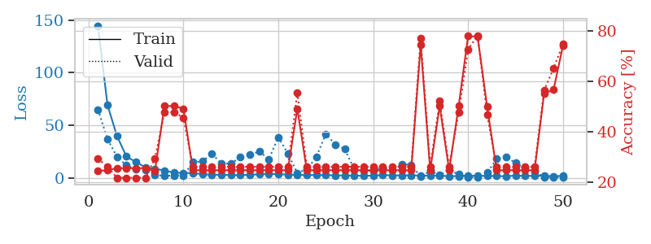
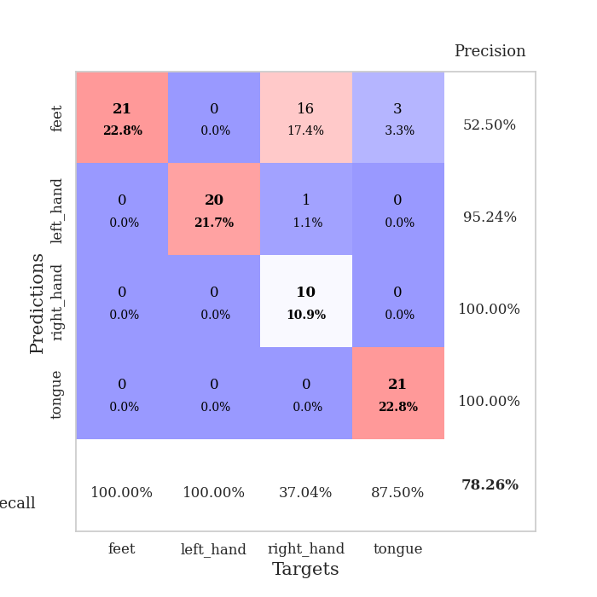
train_loss | valid_loss | train_accuracy | valid_accuracy | dur | train_misclass | valid_misclass
144.20595551 | 64.770793086 | 0.24456521739 | 0.29347826087 | 0.039154052734 | 24.456521739 | 29.347826087
69.177251434 | 36.791558805 | 0.2472826087 | 0.26086956522 | 0.037208080292 | 24.72826087 | 26.086956522
39.635023117 | 19.76423247 | 0.25543478261 | 0.21739130435 | 0.036427259445 | 25.543478261 | 21.739130435
20.141096497 | 11.760358313 | 0.25543478261 | 0.21739130435 | 0.036936998367 | 25.543478261 | 21.739130435
14.846453094 | 7.9056056893 | 0.25543478261 | 0.21739130435 | 0.036367893219 | 25.543478261 | 21.739130435
9.8546414375 | 7.4414191453 | 0.25543478261 | 0.21739130435 | 0.036996126175 | 25.543478261 | 21.739130435
8.4504369736 | 3.0764158705 | 0.24456521739 | 0.29347826087 | 0.037358522415 | 24.456521739 | 29.347826087
6.9035596848 | 1.6267957221 | 0.5027173913 | 0.47826086957 | 0.036428928375 | 50.27173913 | 47.826086957
4.781970787 | 2.1897740779 | 0.5027173913 | 0.47826086957 | 0.03783416748 | 50.27173913 | 47.826086957
4.5695516586 | 1.9404959368 | 0.49184782609 | 0.45652173913 | 0.036991357803 | 49.184782609 | 45.652173913
4.3021720409 | 14.778364679 | 0.2472826087 | 0.26086956522 | 0.036352396011 | 24.72826087 | 26.086956522
3.5886111736 | 15.58145266 | 0.2472826087 | 0.26086956522 | 0.036754846573 | 24.72826087 | 26.086956522
2.5634569645 | 22.866422819 | 0.2472826087 | 0.26086956522 | 0.036958217621 | 24.72826087 | 26.086956522
3.0227869987 | 13.417552119 | 0.2472826087 | 0.26086956522 | 0.036622047424 | 24.72826087 | 26.086956522
2.4124510288 | 13.37623816 | 0.2472826087 | 0.26086956522 | 0.036872625351 | 24.72826087 | 26.086956522
2.5005545855 | 19.444546658 | 0.2472826087 | 0.26086956522 | 0.036743402481 | 24.72826087 | 26.086956522
2.8330641747 | 22.091098371 | 0.2472826087 | 0.26086956522 | 0.037118196487 | 24.72826087 | 26.086956522
3.1745744228 | 24.93352011 | 0.2472826087 | 0.26086956522 | 0.036863088608 | 24.72826087 | 26.086956522
3.7859771729 | 17.707029509 | 0.2472826087 | 0.26086956522 | 0.037816286087 | 24.72826087 | 26.086956522
3.3491991997 | 38.662507265 | 0.2472826087 | 0.26086956522 | 0.036447763443 | 24.72826087 | 26.086956522
2.94012146 | 22.932985886 | 0.2472826087 | 0.26086956522 | 0.038562297821 | 24.72826087 | 26.086956522
2.6084818363 | 4.5375516104 | 0.49184782609 | 0.55434782609 | 0.036773920059 | 49.184782609 | 55.434782609
2.4906681061 | 8.1407702487 | 0.2472826087 | 0.26086956522 | 0.039177417755 | 24.72826087 | 26.086956522
2.5744673491 | 19.691282272 | 0.2472826087 | 0.26086956522 | 0.037279605865 | 24.72826087 | 26.086956522
2.3704521656 | 41.698474884 | 0.2472826087 | 0.26086956522 | 0.037440538406 | 24.72826087 | 26.086956522
2.3104066372 | 31.635461061 | 0.2472826087 | 0.26086956522 | 0.037622928619 | 24.72826087 | 26.086956522
2.0615806103 | 27.322394495 | 0.2472826087 | 0.26086956522 | 0.037384033203 | 24.72826087 | 26.086956522
2.0749983311 | 7.8289810264 | 0.2472826087 | 0.26086956522 | 0.03733587265 | 24.72826087 | 26.086956522
1.7385015011 | 6.5160137881 | 0.2472826087 | 0.26086956522 | 0.037405490875 | 24.72826087 | 26.086956522
2.1305737019 | 6.8455849938 | 0.2472826087 | 0.26086956522 | 0.037648200989 | 24.72826087 | 26.086956522
2.5185435295 | 10.026536278 | 0.2472826087 | 0.26086956522 | 0.037380218506 | 24.72826087 | 26.086956522
2.2269052744 | 7.0379305922 | 0.2472826087 | 0.26086956522 | 0.037574052811 | 24.72826087 | 26.086956522
2.1900552034 | 12.673032678 | 0.2472826087 | 0.26086956522 | 0.039066791534 | 24.72826087 | 26.086956522
2.2884942532 | 12.280181843 | 0.2472826087 | 0.26086956522 | 0.039129257202 | 24.72826087 | 26.086956522
1.9441025496 | 0.79784814949 | 0.7472826087 | 0.77173913043 | 0.037440776825 | 74.72826087 | 77.173913043
1.9864316702 | 6.3415675163 | 0.2472826087 | 0.26086956522 | 0.037819862366 | 24.72826087 | 26.086956522
1.8825086832 | 2.4060883626 | 0.5027173913 | 0.52173913043 | 0.037449359894 | 50.27173913 | 52.173913043
1.5213648319 | 7.0215690654 | 0.2472826087 | 0.26086956522 | 0.036989688873 | 24.72826087 | 26.086956522
1.4818798304 | 3.411220706 | 0.5027173913 | 0.47826086957 | 0.036775112152 | 50.27173913 | 47.826086957
1.7686871052 | 0.41681862007 | 0.78260869565 | 0.72826086957 | 0.036313056946 | 78.260869565 | 72.826086957
1.9196970701 | 0.46204768056 | 0.77717391304 | 0.78260869565 | 0.036858081818 | 77.717391304 | 78.260869565
1.6243153334 | 4.7435627606 | 0.5 | 0.46739130435 | 0.037449359894 | 50 | 46.739130435
1.6304386616 | 17.828928906 | 0.2472826087 | 0.26086956522 | 0.037192344666 | 24.72826087 | 26.086956522
1.3538494825 | 19.76734717 | 0.2472826087 | 0.26086956522 | 0.036942005157 | 24.72826087 | 26.086956522
2.0724701405 | 14.076766263 | 0.2472826087 | 0.26086956522 | 0.036940097809 | 24.72826087 | 26.086956522
1.5981771469 | 9.3188533783 | 0.2472826087 | 0.26086956522 | 0.038661241531 | 24.72826087 | 26.086956522
1.900577116 | 5.5950702792 | 0.2472826087 | 0.26086956522 | 0.035952806473 | 24.72826087 | 26.086956522
1.8732943058 | 0.76332837084 | 0.55163043478 | 0.5652173913 | 0.036642551422 | 55.163043478 | 56.52173913
1.4791385889 | 0.61209560736 | 0.56793478261 | 0.65217391304 | 0.036633968353 | 56.793478261 | 65.217391304
1.8403239489 | 0.42473998536 | 0.74456521739 | 0.75 | 0.037231445312 | 74.456521739 | 75

Best Val accuracy is 0.782608695652174 and Best test accuracy is 0.7844827586206896

Sheet8
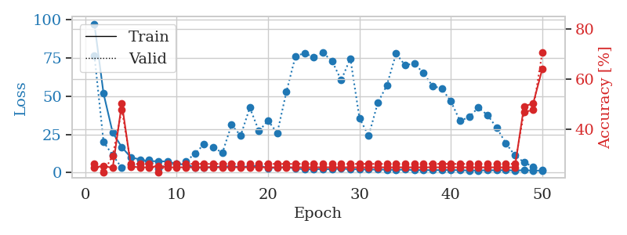
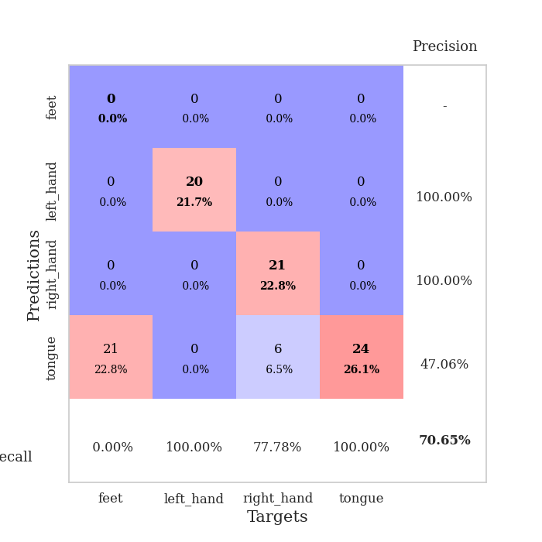
train_loss | valid_loss | train_accuracy | valid_accuracy | dur | train_misclass | valid_misclass
96.851386261 | 76.415566154 | 0.2472826087 | 0.26086956522 | 0.038318157196 | 24.72826087 | 26.086956522
51.58580246 | 20.004440556 | 0.2527173913 | 0.22826086957 | 0.036885976791 | 25.27173913 | 22.826086957
26.133252907 | 11.477606359 | 0.24456521739 | 0.29347826087 | 0.03727221489 | 24.456521739 | 29.347826087
16.634146786 | 3.1015624067 | 0.5027173913 | 0.47826086957 | 0.037187337875 | 50.27173913 | 47.826086957
9.9338929176 | 5.4819648991 | 0.25 | 0.26086956522 | 0.036687612534 | 25 | 26.086956522
8.6694714546 | 5.6631998601 | 0.2472826087 | 0.26086956522 | 0.037421941757 | 24.72826087 | 26.086956522
7.4293901443 | 8.2000044532 | 0.2472826087 | 0.26086956522 | 0.037399053574 | 24.72826087 | 26.086956522
7.5893136024 | 2.7696610223 | 0.2527173913 | 0.22826086957 | 0.037348985672 | 25.27173913 | 22.826086957
7.2495152473 | 5.5061579165 | 0.2472826087 | 0.26086956522 | 0.036707401276 | 24.72826087 | 26.086956522
5.7368806839 | 5.9624638972 | 0.2472826087 | 0.26086956522 | 0.036713600159 | 24.72826087 | 26.086956522
5.309266448 | 7.1907823397 | 0.2472826087 | 0.26086956522 | 0.036967515945 | 24.72826087 | 26.086956522
3.4110586643 | 12.489230819 | 0.2472826087 | 0.26086956522 | 0.036689519882 | 24.72826087 | 26.086956522
3.546033287 | 18.621814479 | 0.2472826087 | 0.26086956522 | 0.037126064301 | 24.72826087 | 26.086956522
3.5735631466 | 16.660701503 | 0.2472826087 | 0.26086956522 | 0.036339521408 | 24.72826087 | 26.086956522
4.0449867964 | 12.945859411 | 0.2472826087 | 0.26086956522 | 0.036868810654 | 24.72826087 | 26.086956522
4.0859036446 | 31.173931536 | 0.2472826087 | 0.26086956522 | 0.037198781967 | 24.72826087 | 26.086956522
3.7402991295 | 24.215898431 | 0.2472826087 | 0.26086956522 | 0.036588191986 | 24.72826087 | 26.086956522
4.1285328865 | 42.389723902 | 0.2472826087 | 0.26086956522 | 0.036912679672 | 24.72826087 | 26.086956522
4.606567049 | 27.203174508 | 0.2472826087 | 0.26086956522 | 0.037786483765 | 24.72826087 | 26.086956522
3.054589963 | 33.965541176 | 0.2472826087 | 0.26086956522 | 0.036770582199 | 24.72826087 | 26.086956522
3.2988075733 | 25.790774719 | 0.2472826087 | 0.26086956522 | 0.036568164825 | 24.72826087 | 26.086956522
3.5998159409 | 52.600347104 | 0.2472826087 | 0.26086956522 | 0.036914110184 | 24.72826087 | 26.086956522
2.7905114651 | 75.98631552 | 0.2472826087 | 0.26086956522 | 0.036290645599 | 24.72826087 | 26.086956522
2.194410944 | 77.951853213 | 0.2472826087 | 0.26086956522 | 0.037297487259 | 24.72826087 | 26.086956522
2.2988461971 | 75.075976496 | 0.2472826087 | 0.26086956522 | 0.037354707718 | 24.72826087 | 26.086956522
2.4192071915 | 78.260729251 | 0.2472826087 | 0.26086956522 | 0.036585092545 | 24.72826087 | 26.086956522
2.2218099833 | 72.755116007 | 0.2472826087 | 0.26086956522 | 0.037698507309 | 24.72826087 | 26.086956522
2.6806134939 | 60.26518432 | 0.2472826087 | 0.26086956522 | 0.036815404892 | 24.72826087 | 26.086956522
2.232864213 | 74.507324882 | 0.2472826087 | 0.26086956522 | 0.036717414856 | 24.72826087 | 26.086956522
2.3008104086 | 35.540497158 | 0.2472826087 | 0.26086956522 | 0.037564754486 | 24.72826087 | 26.086956522
2.0503374815 | 24.077438603 | 0.2472826087 | 0.26086956522 | 0.036836385727 | 24.72826087 | 26.086956522
2.11112082 | 45.502093605 | 0.2472826087 | 0.26086956522 | 0.037350177765 | 24.72826087 | 26.086956522
2.0059777498 | 57.036035952 | 0.2472826087 | 0.26086956522 | 0.037009477615 | 24.72826087 | 26.086956522
1.9195847034 | 77.614599808 | 0.2472826087 | 0.26086956522 | 0.036770343781 | 24.72826087 | 26.086956522
2.0367067099 | 69.995628689 | 0.2472826087 | 0.26086956522 | 0.037590742111 | 24.72826087 | 26.086956522
1.7185493231 | 71.334208945 | 0.2472826087 | 0.26086956522 | 0.036890268326 | 24.72826087 | 26.086956522
1.755750227 | 64.856183591 | 0.2472826087 | 0.26086956522 | 0.036528587341 | 24.72826087 | 26.086956522
1.6733329058 | 56.460162785 | 0.2472826087 | 0.26086956522 | 0.03719496727 | 24.72826087 | 26.086956522
1.7691299915 | 54.905229651 | 0.2472826087 | 0.26086956522 | 0.037430524826 | 24.72826087 | 26.086956522
1.8483340979 | 46.47848262 | 0.2472826087 | 0.26086956522 | 0.037690401077 | 24.72826087 | 26.086956522
1.5890295267 | 33.708147629 | 0.2472826087 | 0.26086956522 | 0.037183046341 | 24.72826087 | 26.086956522
1.4964155436 | 36.376461858 | 0.2472826087 | 0.26086956522 | 0.038671255112 | 24.72826087 | 26.086956522
1.5106525421 | 42.454645406 | 0.2472826087 | 0.26086956522 | 0.036149978638 | 24.72826087 | 26.086956522
1.573072958 | 37.59630054 | 0.2472826087 | 0.26086956522 | 0.036107301712 | 24.72826087 | 26.086956522
1.6007619858 | 29.438264018 | 0.2472826087 | 0.26086956522 | 0.036118745804 | 24.72826087 | 26.086956522
1.6685129166 | 19.311817086 | 0.2472826087 | 0.26086956522 | 0.036035299301 | 24.72826087 | 26.086956522
1.4925139904 | 11.305235033 | 0.2472826087 | 0.26086956522 | 0.036983013153 | 24.72826087 | 26.086956522
1.5834800959 | 6.7654252467 | 0.49184782609 | 0.46739130435 | 0.036505699158 | 49.184782609 | 46.739130435
1.4645326614 | 3.8971122244 | 0.5027173913 | 0.47826086957 | 0.037020206451 | 50.27173913 | 47.826086957
1.3241370678 | 1.5713917639 | 0.64130434783 | 0.70652173913 | 0.036988735199 | 64.130434783 | 70.652173913

Best Val accuracy is 0.7065217391304348 and Best test accuracy is 0.7241379310344828

Sheet9
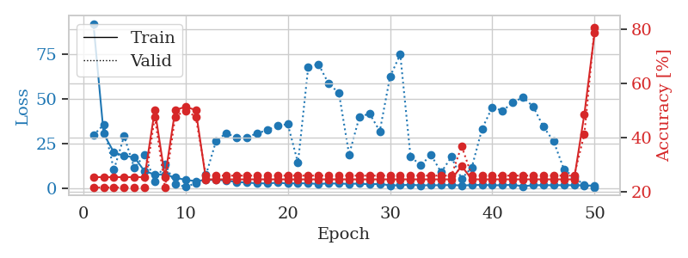
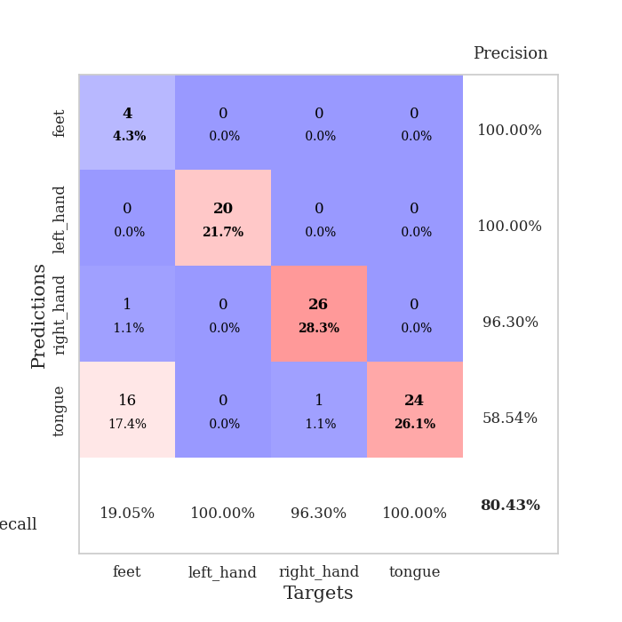
train_loss | valid_loss | train_accuracy | valid_accuracy | dur | train_misclass | valid_misclass
91.819238091 | 29.518433695 | 0.25543478261 | 0.21739130435 | 0.03847193718 | 25.543478261 | 21.739130435
30.393708038 | 35.444840639 | 0.25543478261 | 0.21739130435 | 0.037578821182 | 25.543478261 | 21.739130435
19.963081741 | 10.232545397 | 0.25543478261 | 0.21739130435 | 0.036653518677 | 25.543478261 | 21.739130435
18.057876587 | 29.020039849 | 0.25543478261 | 0.21739130435 | 0.037230730057 | 25.543478261 | 21.739130435
17.220493507 | 11.208835063 | 0.25543478261 | 0.21739130435 | 0.037436246872 | 25.543478261 | 21.739130435
9.4973535538 | 18.593213123 | 0.25543478261 | 0.21739130435 | 0.037973165512 | 25.543478261 | 21.739130435
7.6661279202 | 3.7870415605 | 0.5027173913 | 0.47826086957 | 0.038732051849 | 50.27173913 | 47.826086957
7.6489561081 | 13.297547631 | 0.25543478261 | 0.21739130435 | 0.038056373596 | 25.543478261 | 21.739130435
5.9383571625 | 2.4254672942 | 0.5027173913 | 0.47826086957 | 0.037716150284 | 50.27173913 | 47.826086957
4.621245718 | 0.76334097593 | 0.51358695652 | 0.5 | 0.039666414261 | 51.358695652 | 50
3.9800506115 | 2.6820970618 | 0.5027173913 | 0.47826086957 | 0.037145376205 | 50.27173913 | 47.826086957
4.479584074 | 7.4074962243 | 0.2472826087 | 0.26086956522 | 0.03703546524 | 24.72826087 | 26.086956522
4.7530760765 | 26.50120503 | 0.2472826087 | 0.26086956522 | 0.037954330444 | 24.72826087 | 26.086956522
4.1879159451 | 30.794356553 | 0.2472826087 | 0.26086956522 | 0.039778709412 | 24.72826087 | 26.086956522
3.471289587 | 28.028250819 | 0.2472826087 | 0.26086956522 | 0.039650201797 | 24.72826087 | 26.086956522
3.1393483162 | 28.309292586 | 0.2472826087 | 0.26086956522 | 0.036996126175 | 24.72826087 | 26.086956522
2.7288757801 | 30.659950339 | 0.2472826087 | 0.26086956522 | 0.037976741791 | 24.72826087 | 26.086956522
2.6947793961 | 32.4074576 | 0.2472826087 | 0.26086956522 | 0.03759264946 | 24.72826087 | 26.086956522
3.0529421806 | 34.82209529 | 0.2472826087 | 0.26086956522 | 0.039899349213 | 24.72826087 | 26.086956522
2.6580465555 | 35.785254603 | 0.2472826087 | 0.26086956522 | 0.038766622543 | 24.72826087 | 26.086956522
2.7636495113 | 14.097064765 | 0.2472826087 | 0.26086956522 | 0.039194583893 | 24.72826087 | 26.086956522
2.7080451488 | 67.611006032 | 0.2472826087 | 0.26086956522 | 0.039180040359 | 24.72826087 | 26.086956522
2.3513542652 | 69.244299847 | 0.2472826087 | 0.26086956522 | 0.03851556778 | 24.72826087 | 26.086956522
2.68877213 | 58.281744916 | 0.2472826087 | 0.26086956522 | 0.040020942688 | 24.72826087 | 26.086956522
2.5666294098 | 53.210511083 | 0.2472826087 | 0.26086956522 | 0.037839651108 | 24.72826087 | 26.086956522
2.4073265553 | 18.740606806 | 0.2472826087 | 0.26086956522 | 0.038549423218 | 24.72826087 | 26.086956522
2.6035984516 | 39.690757751 | 0.2472826087 | 0.26086956522 | 0.039513111115 | 24.72826087 | 26.086956522
2.1280553579 | 41.643925874 | 0.2472826087 | 0.26086956522 | 0.03861618042 | 24.72826087 | 26.086956522
2.4203172207 | 31.806213213 | 0.2472826087 | 0.26086956522 | 0.038574934006 | 24.72826087 | 26.086956522
1.5825607777 | 62.178297955 | 0.2472826087 | 0.26086956522 | 0.038264274597 | 24.72826087 | 26.086956522
1.6463627577 | 74.66350854 | 0.2472826087 | 0.26086956522 | 0.039889335632 | 24.72826087 | 26.086956522
1.9121086121 | 17.834011824 | 0.2472826087 | 0.26086956522 | 0.040312767029 | 24.72826087 | 26.086956522
1.5696582556 | 12.63546952 | 0.2472826087 | 0.26086956522 | 0.039694309235 | 24.72826087 | 26.086956522
1.6549310207 | 18.663908336 | 0.2472826087 | 0.26086956522 | 0.038487195969 | 24.72826087 | 26.086956522
1.6260793447 | 8.8606299525 | 0.2472826087 | 0.26086956522 | 0.039581775665 | 24.72826087 | 26.086956522
1.7753795862 | 17.436196617 | 0.2472826087 | 0.26086956522 | 0.037686109543 | 24.72826087 | 26.086956522
1.5314449549 | 5.2028197206 | 0.29619565217 | 0.36956521739 | 0.038205385208 | 29.619565217 | 36.956521739
1.6955000877 | 11.670072846 | 0.2472826087 | 0.26086956522 | 0.038111925125 | 24.72826087 | 26.086956522
1.8366182804 | 33.165366629 | 0.2472826087 | 0.26086956522 | 0.037947893143 | 24.72826087 | 26.086956522
1.601068449 | 45.194320015 | 0.2472826087 | 0.26086956522 | 0.03835773468 | 24.72826087 | 26.086956522
1.6758225679 | 43.149840313 | 0.2472826087 | 0.26086956522 | 0.036509275436 | 24.72826087 | 26.086956522
1.8543303967 | 47.808716152 | 0.2472826087 | 0.26086956522 | 0.037867069244 | 24.72826087 | 26.086956522
1.1100718498 | 50.743157926 | 0.2472826087 | 0.26086956522 | 0.038275241852 | 24.72826087 | 26.086956522
1.6327376008 | 45.481771552 | 0.2472826087 | 0.26086956522 | 0.037282466888 | 24.72826087 | 26.086956522
1.6806676269 | 34.268760349 | 0.2472826087 | 0.26086956522 | 0.038414239883 | 24.72826087 | 26.086956522
1.6405320406 | 26.117604297 | 0.2472826087 | 0.26086956522 | 0.038748025894 | 24.72826087 | 26.086956522
1.6774486065 | 10.638913362 | 0.2472826087 | 0.26086956522 | 0.038685560226 | 24.72826087 | 26.086956522
1.6614321709 | 6.046465314 | 0.2472826087 | 0.26086956522 | 0.03898692131 | 24.72826087 | 26.086956522
1.5915886402 | 1.8183624589 | 0.48641304348 | 0.41304347826 | 0.039911985397 | 48.641304348 | 41.304347826
1.357417798 | 0.51874080689 | 0.78532608696 | 0.80434782609 | 0.037919998169 | 78.532608696 | 80.434782609

Best Val accuracy is 0.8043478260869565 and Best test accuracy is 0.7413793103448276

Sheet10
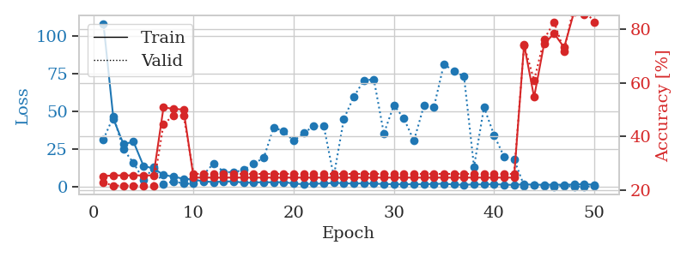
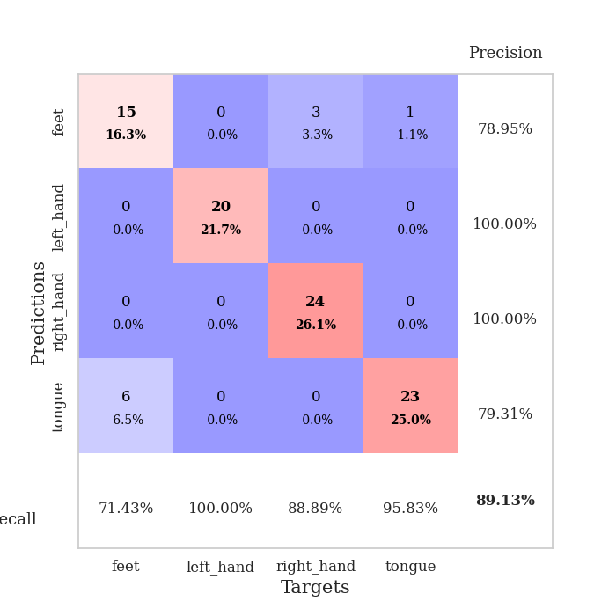
train_loss | valid_loss | train_accuracy | valid_accuracy | dur | train_misclass | valid_misclass
108.14830036 | 31.579879429 | 0.2527173913 | 0.22826086957 | 0.038889884949 | 25.27173913 | 22.826086957
45.034495544 | 46.658751612 | 0.25543478261 | 0.21739130435 | 0.03876543045 | 25.543478261 | 21.739130435
28.363212204 | 24.853464292 | 0.25543478261 | 0.21739130435 | 0.037105083466 | 25.543478261 | 21.739130435
29.954459953 | 16.020874977 | 0.25543478261 | 0.21739130435 | 0.037436723709 | 25.543478261 | 21.739130435
13.97801857 | 4.6480892016 | 0.25543478261 | 0.21739130435 | 0.037419557571 | 25.543478261 | 21.739130435
12.245116997 | 12.953057372 | 0.25543478261 | 0.21739130435 | 0.036957979202 | 25.543478261 | 21.739130435
8.0415757179 | 2.003242586 | 0.50815217391 | 0.44565217391 | 0.037778139114 | 50.815217391 | 44.565217391
6.8050073624 | 3.8274710593 | 0.5027173913 | 0.47826086957 | 0.037549257278 | 50.27173913 | 47.826086957
5.4877191544 | 2.235942457 | 0.5 | 0.47826086957 | 0.037667036057 | 50 | 47.826086957
4.954142952 | 2.1963110903 | 0.2472826087 | 0.26086956522 | 0.037171125412 | 24.72826087 | 26.086956522
3.7324757576 | 8.2117398303 | 0.2472826087 | 0.26086956522 | 0.037184238434 | 24.72826087 | 26.086956522
3.2721554279 | 15.663731368 | 0.2472826087 | 0.26086956522 | 0.038095235825 | 24.72826087 | 26.086956522
3.6409956932 | 10.048814525 | 0.2472826087 | 0.26086956522 | 0.038414716721 | 24.72826087 | 26.086956522
3.7707018852 | 9.770442548 | 0.2472826087 | 0.26086956522 | 0.036742687225 | 24.72826087 | 26.086956522
2.8298399925 | 11.291379514 | 0.2472826087 | 0.26086956522 | 0.037098407745 | 24.72826087 | 26.086956522
2.9385232449 | 15.555563844 | 0.2472826087 | 0.26086956522 | 0.037497282028 | 24.72826087 | 26.086956522
3.274456358 | 19.205287933 | 0.2472826087 | 0.26086956522 | 0.036769628525 | 24.72826087 | 26.086956522
3.0313457489 | 39.422645569 | 0.2472826087 | 0.26086956522 | 0.036903381348 | 24.72826087 | 26.086956522
3.2867199898 | 36.871378194 | 0.2472826087 | 0.26086956522 | 0.037818670273 | 24.72826087 | 26.086956522
2.2572029352 | 30.518309635 | 0.2472826087 | 0.26086956522 | 0.037886381149 | 24.72826087 | 26.086956522
1.8712384939 | 35.813216168 | 0.2472826087 | 0.26086956522 | 0.038162946701 | 24.72826087 | 26.086956522
2.2058728933 | 40.188530466 | 0.2472826087 | 0.26086956522 | 0.037366867065 | 24.72826087 | 26.086956522
2.2795185804 | 40.300870149 | 0.2472826087 | 0.26086956522 | 0.037388324738 | 24.72826087 | 26.086956522
2.7313432693 | 6.9835953298 | 0.2472826087 | 0.26086956522 | 0.037862062454 | 24.72826087 | 26.086956522
2.5302284241 | 45.009921198 | 0.2472826087 | 0.26086956522 | 0.038264274597 | 24.72826087 | 26.086956522
2.2032009125 | 59.746672589 | 0.2472826087 | 0.26086956522 | 0.03816151619 | 24.72826087 | 26.086956522
2.4927603483 | 70.513117583 | 0.2472826087 | 0.26086956522 | 0.037801265717 | 24.72826087 | 26.086956522
2.183529973 | 71.273160852 | 0.2472826087 | 0.26086956522 | 0.038233041763 | 24.72826087 | 26.086956522
2.0123259544 | 35.389861065 | 0.2472826087 | 0.26086956522 | 0.037281036377 | 24.72826087 | 26.086956522
1.8556302309 | 54.161508311 | 0.2472826087 | 0.26086956522 | 0.036912441254 | 24.72826087 | 26.086956522
1.8158675432 | 45.358139867 | 0.2472826087 | 0.26086956522 | 0.036757707596 | 24.72826087 | 26.086956522
1.8276759863 | 30.539907787 | 0.2472826087 | 0.26086956522 | 0.036734104156 | 24.72826087 | 26.086956522
1.8308488846 | 53.831814144 | 0.2472826087 | 0.26086956522 | 0.036923408508 | 24.72826087 | 26.086956522
2.0636452913 | 52.985007079 | 0.2472826087 | 0.26086956522 | 0.037289381027 | 24.72826087 | 26.086956522
2.1474098444 | 81.475190204 | 0.2472826087 | 0.26086956522 | 0.037550210953 | 24.72826087 | 26.086956522
1.6833513498 | 76.427378115 | 0.2472826087 | 0.26086956522 | 0.038419008255 | 24.72826087 | 26.086956522
1.4290299892 | 73.366945681 | 0.2472826087 | 0.26086956522 | 0.037362337112 | 24.72826087 | 26.086956522
1.780176127 | 13.338850146 | 0.2472826087 | 0.26086956522 | 0.037385225296 | 24.72826087 | 26.086956522
1.6653364897 | 52.844360352 | 0.2472826087 | 0.26086956522 | 0.037735462189 | 24.72826087 | 26.086956522
1.8985160112 | 34.351773138 | 0.2472826087 | 0.26086956522 | 0.038478374481 | 24.72826087 | 26.086956522
1.5549231529 | 20.155891916 | 0.2472826087 | 0.26086956522 | 0.038302898407 | 24.72826087 | 26.086956522
1.4239016652 | 18.230629797 | 0.2472826087 | 0.26086956522 | 0.037137031555 | 24.72826087 | 26.086956522
1.8400104046 | 0.88693174849 | 0.74184782609 | 0.73913043478 | 0.038087368011 | 74.184782609 | 73.913043478
1.4831087589 | 1.4057390431 | 0.54619565217 | 0.60869565217 | 0.037407398224 | 54.619565217 | 60.869565217
1.5489456892 | 0.79670070824 | 0.74456521739 | 0.76086956522 | 0.037366390228 | 74.456521739 | 76.086956522
1.5317753315 | 0.4326775696 | 0.78260869565 | 0.82608695652 | 0.03693151474 | 78.260869565 | 82.608695652
1.5268858671 | 0.82231317137 | 0.73097826087 | 0.71739130435 | 0.037246465683 | 73.097826087 | 71.739130435
1.6315693378 | 0.31928299691 | 0.86413043478 | 0.89130434783 | 0.037255764008 | 86.413043478 | 89.130434783
1.9374014139 | 0.32816476278 | 0.85326086957 | 0.86956521739 | 0.038640260696 | 85.326086957 | 86.956521739
1.4733536482 | 0.4564840677 | 0.86956521739 | 0.82608695652 | 0.036700248718 | 86.956521739 | 82.608695652

Best Val accuracy is 0.8913043478260869 and Best test accuracy is 0.8362068965517241

