Sheet
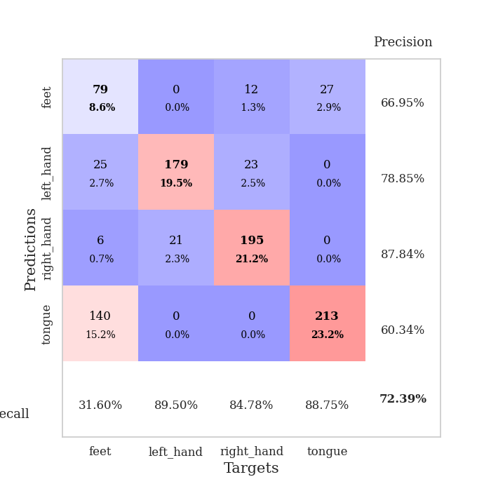
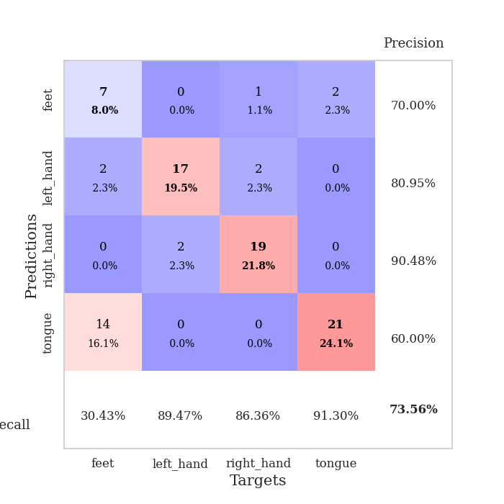
best_val_acc | best_val_los | best_test_acc
0.76086956522 | 1.1580383544 | 0.78448275862
0.8152173913 | 0.54023072383 | 0.87931034483
0.85869565217 | 0.3934594328 | 0.93103448276
0.76086956522 | 0.7066103816 | 0.84482758621
0.80434782609 | 0.75130123418 | 0.81896551724
0.47826086957 | 1.8114879857 | 0.49137931034
0.8152173913 | 0.58916375689 | 0.83620689655
0.51086956522 | 4.8981728968 | 0.48275862069
0.72826086957 | 2.4669423103 | 0.74137931034
0.70652173913 | 0.74687928221 | 0.72413793103

Mean,std Val accuracy is 0.7239130434782609 , 0.12914011252142296 and mean, std test accuracy is 0.753448275862069 , 0.1530398369804381

Sheet1
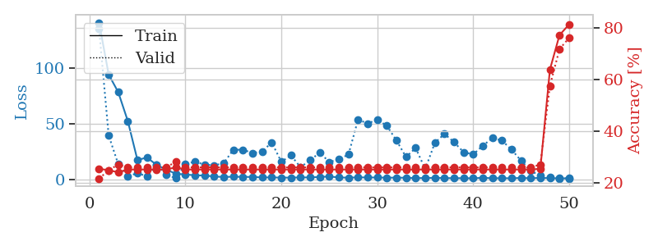
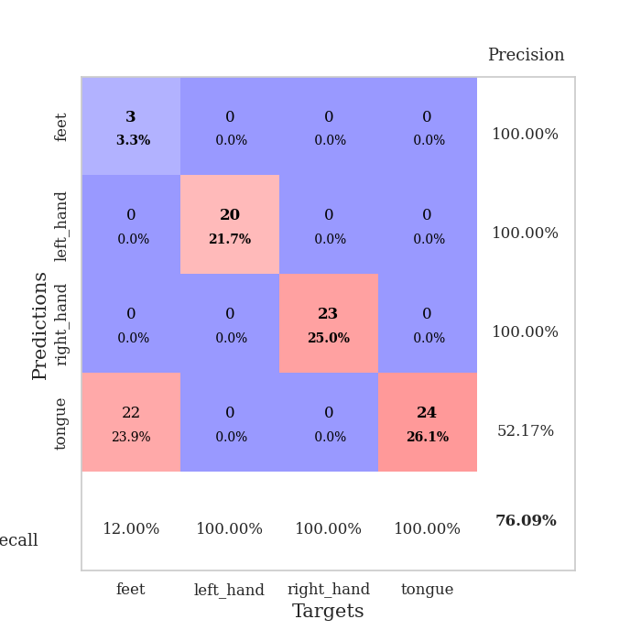
train_loss | valid_loss | train_accuracy | valid_accuracy | dur | train_misclass | valid_misclass
140.26310921 | 134.59681304 | 0.25543478261 | 0.21739130435 | 0.036898851395 | 25.543478261 | 21.739130435
93.945194244 | 39.681896707 | 0.25 | 0.25 | 0.039786815643 | 25 | 25
78.176365662 | 13.864142169 | 0.24184782609 | 0.27173913043 | 0.036224842072 | 24.184782609 | 27.173913043
52.360482788 | 2.8788258096 | 0.2527173913 | 0.26086956522 | 0.035973072052 | 25.27173913 | 26.086956522
17.687434387 | 6.1611260331 | 0.2527173913 | 0.26086956522 | 0.035748004913 | 25.27173913 | 26.086956522
19.942461395 | 3.0415729647 | 0.2527173913 | 0.26086956522 | 0.035867214203 | 25.27173913 | 26.086956522
13.260367775 | 13.542204235 | 0.2527173913 | 0.26086956522 | 0.035975217819 | 25.27173913 | 26.086956522
9.1871094704 | 4.8279367323 | 0.2527173913 | 0.26086956522 | 0.035736083984 | 25.27173913 | 26.086956522
5.4000801563 | 1.3881347439 | 0.26086956522 | 0.28260869565 | 0.035819292068 | 26.086956522 | 28.260869565
4.8339087486 | 14.387186341 | 0.2527173913 | 0.26086956522 | 0.036815643311 | 25.27173913 | 26.086956522
4.0063563347 | 16.04213868 | 0.2527173913 | 0.26086956522 | 0.035729408264 | 25.27173913 | 26.086956522
3.8901106834 | 13.697743084 | 0.2527173913 | 0.26086956522 | 0.03561425209 | 25.27173913 | 26.086956522
2.9752706051 | 12.845842983 | 0.2527173913 | 0.26086956522 | 0.036251306534 | 25.27173913 | 26.086956522
2.5463112831 | 14.990325181 | 0.2527173913 | 0.26086956522 | 0.035844326019 | 25.27173913 | 26.086956522
2.8162129879 | 26.882889955 | 0.2527173913 | 0.26086956522 | 0.035945653915 | 25.27173913 | 26.086956522
2.6460525513 | 26.821155216 | 0.2527173913 | 0.26086956522 | 0.035734415054 | 25.27173913 | 26.086956522
2.5617168188 | 23.947832273 | 0.2527173913 | 0.26086956522 | 0.035764932632 | 25.27173913 | 26.086956522
2.1770371914 | 25.285489538 | 0.2527173913 | 0.26086956522 | 0.035847425461 | 25.27173913 | 26.086956522
2.1364115238 | 33.339346761 | 0.2527173913 | 0.26086956522 | 0.0359852314 | 25.27173913 | 26.086956522
1.9896744013 | 16.036753406 | 0.2527173913 | 0.26086956522 | 0.036148548126 | 25.27173913 | 26.086956522
1.9770362616 | 21.834407392 | 0.2527173913 | 0.26086956522 | 0.036159753799 | 25.27173913 | 26.086956522
2.1374397039 | 11.273102014 | 0.2527173913 | 0.26086956522 | 0.036103487015 | 25.27173913 | 26.086956522
2.1683916092 | 17.512791592 | 0.2527173913 | 0.26086956522 | 0.036116838455 | 25.27173913 | 26.086956522
2.5617920399 | 24.2430949 | 0.2527173913 | 0.26086956522 | 0.035656690598 | 25.27173913 | 26.086956522
3.0028421402 | 15.934339233 | 0.2527173913 | 0.26086956522 | 0.035603761673 | 25.27173913 | 26.086956522
2.1513124943 | 18.299953046 | 0.2527173913 | 0.26086956522 | 0.035681009293 | 25.27173913 | 26.086956522
1.9122641563 | 22.578956189 | 0.2527173913 | 0.26086956522 | 0.03569984436 | 25.27173913 | 26.086956522
2.2340433121 | 53.783977177 | 0.2527173913 | 0.26086956522 | 0.035717248917 | 25.27173913 | 26.086956522
2.0978305101 | 50.208996317 | 0.2527173913 | 0.26086956522 | 0.035756826401 | 25.27173913 | 26.086956522
2.0904889584 | 53.76053553 | 0.2527173913 | 0.26086956522 | 0.036072969437 | 25.27173913 | 26.086956522
1.9411334753 | 48.197689886 | 0.2527173913 | 0.26086956522 | 0.036156415939 | 25.27173913 | 26.086956522
1.9470471144 | 35.151804219 | 0.2527173913 | 0.26086956522 | 0.036150217056 | 25.27173913 | 26.086956522
1.8665136576 | 20.39659243 | 0.2527173913 | 0.26086956522 | 0.036224126816 | 25.27173913 | 26.086956522
1.5324892759 | 28.390794754 | 0.2527173913 | 0.26086956522 | 0.036140203476 | 25.27173913 | 26.086956522
1.6542187691 | 9.6770857935 | 0.2527173913 | 0.26086956522 | 0.035573482513 | 25.27173913 | 26.086956522
1.7938870192 | 32.859264871 | 0.2527173913 | 0.26086956522 | 0.035686731339 | 25.27173913 | 26.086956522
1.6158472776 | 41.029423921 | 0.2527173913 | 0.26086956522 | 0.035866498947 | 25.27173913 | 26.086956522
1.4648671508 | 33.627576911 | 0.2527173913 | 0.26086956522 | 0.035714864731 | 25.27173913 | 26.086956522
1.5175460815 | 24.72888847 | 0.2527173913 | 0.26086956522 | 0.035630702972 | 25.27173913 | 26.086956522
1.3406103611 | 22.625594429 | 0.2527173913 | 0.26086956522 | 0.035918951035 | 25.27173913 | 26.086956522
1.8722229719 | 30.4742051 | 0.2527173913 | 0.26086956522 | 0.036070108414 | 25.27173913 | 26.086956522
1.406899786 | 37.217817721 | 0.2527173913 | 0.26086956522 | 0.036083459854 | 25.27173913 | 26.086956522
1.526400733 | 35.050941965 | 0.2527173913 | 0.26086956522 | 0.038333654404 | 25.27173913 | 26.086956522
1.3749118924 | 26.927451009 | 0.2527173913 | 0.26086956522 | 0.037865877151 | 25.27173913 | 26.086956522
1.747723794 | 17.040340714 | 0.2527173913 | 0.26086956522 | 0.03540802002 | 25.27173913 | 26.086956522
1.4336702824 | 7.9794109801 | 0.2527173913 | 0.26086956522 | 0.035477399826 | 25.27173913 | 26.086956522
1.7704208374 | 3.6530492098 | 0.25543478261 | 0.27173913043 | 0.035501480103 | 25.543478261 | 27.173913043
1.5112810135 | 2.6924956778 | 0.63858695652 | 0.57608695652 | 0.037874937057 | 63.858695652 | 57.608695652
1.281763196 | 1.7088776775 | 0.77173913043 | 0.71739130435 | 0.036757230759 | 77.173913043 | 71.739130435
1.3923371911 | 1.1580383544 | 0.8125 | 0.76086956522 | 0.036255598068 | 81.25 | 76.086956522

Best Val accuracy is 0.7608695652173914 and Best test accuracy is 0.7844827586206896

Sheet2
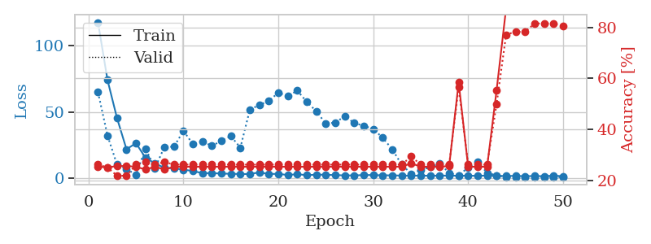
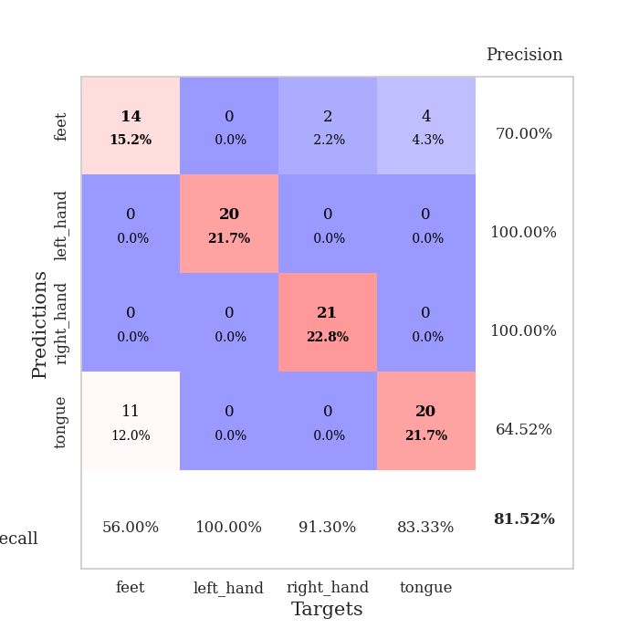
train_loss | valid_loss | train_accuracy | valid_accuracy | dur | train_misclass | valid_misclass
117.84711266 | 64.890495632 | 0.2527173913 | 0.26086956522 | 0.038497924805 | 25.27173913 | 26.086956522
74.160842896 | 32.067856581 | 0.25 | 0.25 | 0.036836624146 | 25 | 25
45.354991531 | 10.063382605 | 0.25543478261 | 0.21739130435 | 0.037333488464 | 25.543478261 | 21.739130435
21.642083549 | 6.6765067681 | 0.25543478261 | 0.21739130435 | 0.036197900772 | 25.543478261 | 21.739130435
26.266116905 | 2.3803712596 | 0.2527173913 | 0.26086956522 | 0.036510467529 | 25.27173913 | 26.086956522
15.216236496 | 22.201051712 | 0.24184782609 | 0.27173913043 | 0.036628961563 | 24.184782609 | 27.173913043
10.948245049 | 7.3445306654 | 0.2527173913 | 0.26086956522 | 0.037142276764 | 25.27173913 | 26.086956522
7.5085244179 | 23.450311827 | 0.24184782609 | 0.27173913043 | 0.036374330521 | 24.184782609 | 27.173913043
7.1651366234 | 23.583242748 | 0.2527173913 | 0.26086956522 | 0.036827087402 | 25.27173913 | 26.086956522
6.2182713985 | 35.580752 | 0.2527173913 | 0.26086956522 | 0.036462068558 | 25.27173913 | 26.086956522
5.1502875805 | 25.591117444 | 0.2527173913 | 0.26086956522 | 0.036362886429 | 25.27173913 | 26.086956522
3.5178059101 | 27.562169199 | 0.2527173913 | 0.26086956522 | 0.037270545959 | 25.27173913 | 26.086956522
3.5724514961 | 24.172962106 | 0.2527173913 | 0.26086956522 | 0.037555932999 | 25.27173913 | 26.086956522
3.1978815079 | 28.102630864 | 0.2527173913 | 0.26086956522 | 0.036833524704 | 25.27173913 | 26.086956522
3.0648453712 | 31.62165194 | 0.2527173913 | 0.26086956522 | 0.036585092545 | 25.27173913 | 26.086956522
2.8723376751 | 22.847659152 | 0.2527173913 | 0.26086956522 | 0.037248373032 | 25.27173913 | 26.086956522
2.8769001007 | 51.713583573 | 0.2527173913 | 0.26086956522 | 0.036155462265 | 25.27173913 | 26.086956522
4.1206447601 | 55.240184784 | 0.2527173913 | 0.26086956522 | 0.036279916763 | 25.27173913 | 26.086956522
2.8802025318 | 58.26668731 | 0.2527173913 | 0.26086956522 | 0.03697347641 | 25.27173913 | 26.086956522
3.0341432095 | 64.58211169 | 0.2527173913 | 0.26086956522 | 0.036529064178 | 25.27173913 | 26.086956522
2.0814396858 | 61.910373024 | 0.2527173913 | 0.26086956522 | 0.036828279495 | 25.27173913 | 26.086956522
2.809039402 | 66.131410848 | 0.2527173913 | 0.26086956522 | 0.037548780441 | 25.27173913 | 26.086956522
1.9246281624 | 57.540079697 | 0.2527173913 | 0.26086956522 | 0.036648273468 | 25.27173913 | 26.086956522
2.4503320217 | 50.479574286 | 0.2527173913 | 0.26086956522 | 0.036649227142 | 25.27173913 | 26.086956522
2.276027441 | 40.993847059 | 0.2527173913 | 0.26086956522 | 0.036833047867 | 25.27173913 | 26.086956522
2.104912591 | 41.965746175 | 0.2527173913 | 0.26086956522 | 0.036281347275 | 25.27173913 | 26.086956522
1.8017218113 | 46.613701862 | 0.2527173913 | 0.26086956522 | 0.036166191101 | 25.27173913 | 26.086956522
1.8395220518 | 41.526513639 | 0.2527173913 | 0.26086956522 | 0.036983966827 | 25.27173913 | 26.086956522
2.0816099167 | 39.460480566 | 0.2527173913 | 0.26086956522 | 0.039924860001 | 25.27173913 | 26.086956522
2.0942073345 | 37.026177448 | 0.2527173913 | 0.26086956522 | 0.037694454193 | 25.27173913 | 26.086956522
1.8561300516 | 30.317225664 | 0.2527173913 | 0.26086956522 | 0.036942005157 | 25.27173913 | 26.086956522
1.8918520927 | 21.627887062 | 0.2527173913 | 0.26086956522 | 0.036353588104 | 25.27173913 | 26.086956522
1.6384007454 | 9.9767346175 | 0.2527173913 | 0.26086956522 | 0.036827087402 | 25.27173913 | 26.086956522
1.634980464 | 3.1006894319 | 0.26630434783 | 0.29347826087 | 0.036724090576 | 26.630434783 | 29.347826087
1.6413493633 | 5.9610206563 | 0.2527173913 | 0.26086956522 | 0.036414861679 | 25.27173913 | 26.086956522
1.5780412197 | 8.1108703821 | 0.2527173913 | 0.26086956522 | 0.036657810211 | 25.27173913 | 26.086956522
1.641561842 | 10.816635671 | 0.2527173913 | 0.26086956522 | 0.038350105286 | 25.27173913 | 26.086956522
1.6647150755 | 3.7279161681 | 0.25543478261 | 0.26086956522 | 0.037391901016 | 25.543478261 | 26.086956522
1.5642711401 | 1.556105453 | 0.58423913043 | 0.5652173913 | 0.036740064621 | 58.423913043 | 56.52173913
1.6717458487 | 7.9811839643 | 0.2527173913 | 0.26086956522 | 0.037247896194 | 25.27173913 | 26.086956522
1.4197533607 | 12.074549468 | 0.2527173913 | 0.26086956522 | 0.035937547684 | 25.27173913 | 26.086956522
1.7867146254 | 3.7612505477 | 0.2527173913 | 0.26086956522 | 0.035925626755 | 25.27173913 | 26.086956522
1.3061127782 | 1.8225523596 | 0.55434782609 | 0.5 | 0.036560058594 | 55.434782609 | 50
1.4688714504 | 0.61401572694 | 0.875 | 0.77173913043 | 0.036655902863 | 87.5 | 77.173913043
1.42020998 | 0.57183593641 | 0.88858695652 | 0.78260869565 | 0.039100646973 | 88.858695652 | 78.260869565
1.2867332697 | 0.58513838182 | 0.91576086957 | 0.78260869565 | 0.036404132843 | 91.576086957 | 78.260869565
1.326776123 | 0.55016283367 | 0.92391304348 | 0.8152173913 | 0.036648988724 | 92.391304348 | 81.52173913
1.2718892813 | 0.54568088832 | 0.92391304348 | 0.8152173913 | 0.036935329437 | 92.391304348 | 81.52173913
1.6112658262 | 0.54555913288 | 0.92663043478 | 0.8152173913 | 0.036252260208 | 92.663043478 | 81.52173913
1.2482945681 | 0.54023072383 | 0.93206521739 | 0.80434782609 | 0.036566019058 | 93.206521739 | 80.434782609

Best Val accuracy is 0.8152173913043478 and Best test accuracy is 0.8793103448275862

Sheet3
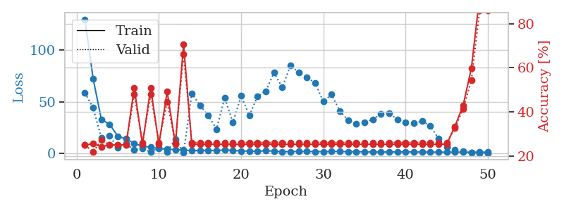
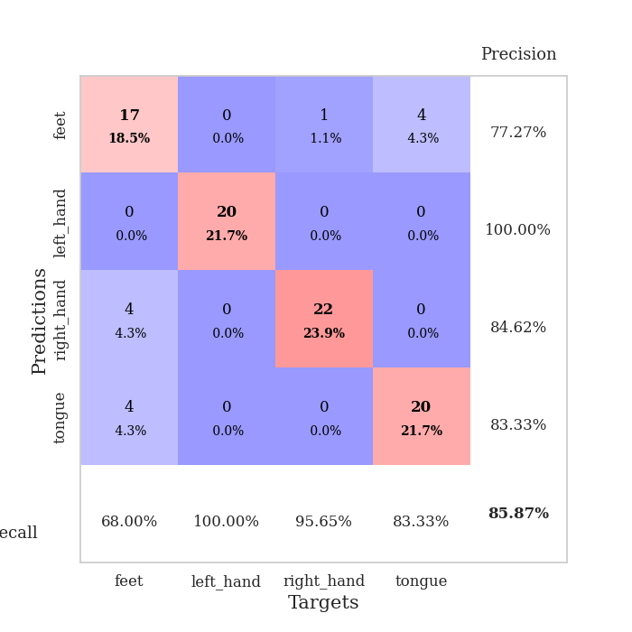
train_loss | valid_loss | train_accuracy | valid_accuracy | dur | train_misclass | valid_misclass
129.63666344 | 58.629458552 | 0.25 | 0.25 | 0.037982225418 | 25 | 25
72.301742554 | 44.103128184 | 0.25543478261 | 0.21739130435 | 0.036236047745 | 25.543478261 | 21.739130435
33.013661194 | 15.087916084 | 0.24184782609 | 0.27173913043 | 0.036656618118 | 24.184782609 | 27.173913043
28.312975693 | 16.875239082 | 0.25 | 0.25 | 0.03756737709 | 25 | 25
16.782836914 | 5.5617002404 | 0.25 | 0.25 | 0.037187099457 | 25 | 25
14.162785339 | 9.8413098791 | 0.25 | 0.25 | 0.036776304245 | 25 | 25
9.8108712196 | 3.3284214476 | 0.50815217391 | 0.47826086957 | 0.038861989975 | 50.815217391 | 47.826086957
7.0636274338 | 5.2083514877 | 0.2527173913 | 0.26086956522 | 0.0383040905 | 25.27173913 | 26.086956522
6.1296114445 | 1.317573848 | 0.50815217391 | 0.47826086957 | 0.036824464798 | 50.815217391 | 47.826086957
4.8550304413 | 5.6537585051 | 0.2527173913 | 0.26086956522 | 0.03718495369 | 25.27173913 | 26.086956522
4.3338900566 | 1.6783824122 | 0.49184782609 | 0.44565217391 | 0.037771224976 | 49.184782609 | 44.565217391
3.5978116035 | 13.953772545 | 0.2527173913 | 0.26086956522 | 0.03796339035 | 25.27173913 | 26.086956522
3.3183812141 | 0.59817106568 | 0.70652173913 | 0.66304347826 | 0.03711438179 | 70.652173913 | 66.304347826
2.7375130653 | 58.015987396 | 0.2527173913 | 0.26086956522 | 0.037571430206 | 25.27173913 | 26.086956522
2.9980485439 | 46.478605851 | 0.2527173913 | 0.26086956522 | 0.037654399872 | 25.27173913 | 26.086956522
3.1259922981 | 36.801738241 | 0.2527173913 | 0.26086956522 | 0.037717819214 | 25.27173913 | 26.086956522
2.9039244175 | 23.566032824 | 0.2527173913 | 0.26086956522 | 0.037271499634 | 25.27173913 | 26.086956522
3.4880284309 | 53.891269684 | 0.2527173913 | 0.26086956522 | 0.03741812706 | 25.27173913 | 26.086956522
3.0143796921 | 30.092391719 | 0.2527173913 | 0.26086956522 | 0.037893772125 | 25.27173913 | 26.086956522
2.4185734987 | 55.597336313 | 0.2527173913 | 0.26086956522 | 0.037946462631 | 25.27173913 | 26.086956522
2.4608359814 | 36.63461652 | 0.2527173913 | 0.26086956522 | 0.037865638733 | 25.27173913 | 26.086956522
2.0496498823 | 55.430410302 | 0.2527173913 | 0.26086956522 | 0.038075685501 | 25.27173913 | 26.086956522
2.850492239 | 60.341778797 | 0.2527173913 | 0.26086956522 | 0.037571907043 | 25.27173913 | 26.086956522
2.2904458523 | 78.163342351 | 0.2527173913 | 0.26086956522 | 0.037797212601 | 25.27173913 | 26.086956522
1.8382260084 | 63.820568914 | 0.2527173913 | 0.26086956522 | 0.037335395813 | 25.27173913 | 26.086956522
1.9048144102 | 85.00818435 | 0.2527173913 | 0.26086956522 | 0.037187576294 | 25.27173913 | 26.086956522
1.9686522007 | 78.457424661 | 0.2527173913 | 0.26086956522 | 0.038107395172 | 25.27173913 | 26.086956522
1.9789558411 | 73.646488687 | 0.2527173913 | 0.26086956522 | 0.037839412689 | 25.27173913 | 26.086956522
1.8995097637 | 68.103363701 | 0.2527173913 | 0.26086956522 | 0.037621974945 | 25.27173913 | 26.086956522
1.8527951717 | 50.226061116 | 0.2527173913 | 0.26086956522 | 0.037779808044 | 25.27173913 | 26.086956522
1.9894022465 | 57.020496037 | 0.2527173913 | 0.26086956522 | 0.037168264389 | 25.27173913 | 26.086956522
2.0616764784 | 40.921392358 | 0.2527173913 | 0.26086956522 | 0.037469863892 | 25.27173913 | 26.086956522
1.7539416552 | 32.254448352 | 0.2527173913 | 0.26086956522 | 0.037047147751 | 25.27173913 | 26.086956522
1.7600920677 | 28.447953514 | 0.2527173913 | 0.26086956522 | 0.03745007515 | 25.27173913 | 26.086956522
1.71067729 | 30.402954599 | 0.2527173913 | 0.26086956522 | 0.038012266159 | 25.27173913 | 26.086956522
1.497283268 | 32.804604157 | 0.2527173913 | 0.26086956522 | 0.037054777145 | 25.27173913 | 26.086956522
1.5118685961 | 38.497923478 | 0.2527173913 | 0.26086956522 | 0.03760266304 | 25.27173913 | 26.086956522
1.527101326 | 38.947974329 | 0.2527173913 | 0.26086956522 | 0.037618160248 | 25.27173913 | 26.086956522
1.5448680639 | 32.894804498 | 0.2527173913 | 0.26086956522 | 0.037843942642 | 25.27173913 | 26.086956522
1.5689156532 | 29.879764059 | 0.2527173913 | 0.26086956522 | 0.037143707275 | 25.27173913 | 26.086956522
1.5331861973 | 29.147284632 | 0.2527173913 | 0.26086956522 | 0.037467956543 | 25.27173913 | 26.086956522
1.4343628883 | 31.372006624 | 0.2527173913 | 0.26086956522 | 0.038064718246 | 25.27173913 | 26.086956522
1.4097321987 | 26.532687477 | 0.2527173913 | 0.26086956522 | 0.037727832794 | 25.27173913 | 26.086956522
1.31989398 | 14.685817677 | 0.2527173913 | 0.26086956522 | 0.037354707718 | 25.27173913 | 26.086956522
1.3013869882 | 6.4853721494 | 0.2527173913 | 0.26086956522 | 0.038023233414 | 25.27173913 | 26.086956522
1.3760837078 | 3.6297963495 | 0.33423913043 | 0.32608695652 | 0.037675380707 | 33.423913043 | 32.608695652
1.3239066124 | 2.1903356521 | 0.42934782609 | 0.41304347826 | 0.03714132309 | 42.934782609 | 41.304347826
1.2348725915 | 1.0515355053 | 0.59782608696 | 0.54347826087 | 0.036897182465 | 59.782608696 | 54.347826087
1.3723454475 | 0.3934594328 | 0.92119565217 | 0.85869565217 | 0.037795305252 | 92.119565217 | 85.869565217
1.2805986404 | 0.41310049529 | 0.89402173913 | 0.85869565217 | 0.037477254868 | 89.402173913 | 85.869565217

Best Val accuracy is 0.8586956521739131 and Best test accuracy is 0.9310344827586207

Sheet4
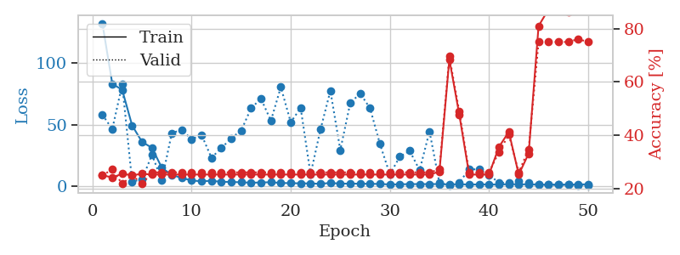
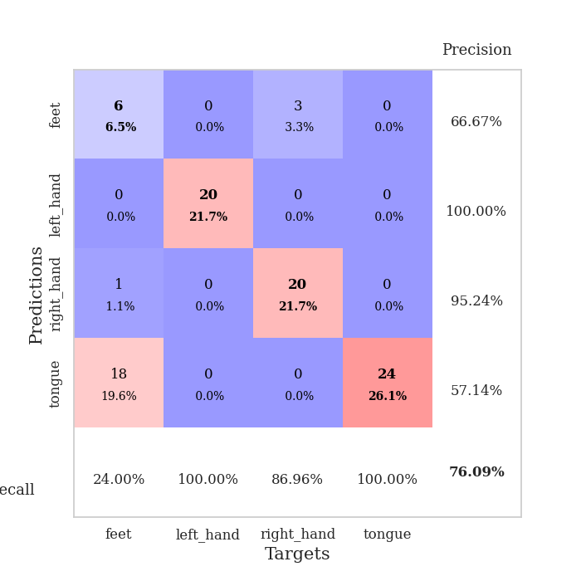
train_loss | valid_loss | train_accuracy | valid_accuracy | dur | train_misclass | valid_misclass
132.55270271 | 58.107799696 | 0.25 | 0.25 | 0.040662765503 | 25 | 25
83.327313232 | 46.295759118 | 0.24184782609 | 0.27173913043 | 0.038345098495 | 24.184782609 | 27.173913043
78.331575775 | 82.71648805 | 0.25543478261 | 0.21739130435 | 0.038512229919 | 25.543478261 | 21.739130435
49.29805069 | 3.6435792135 | 0.25 | 0.25 | 0.037132263184 | 25 | 25
35.932691574 | 5.2078724529 | 0.25543478261 | 0.21739130435 | 0.037796497345 | 25.543478261 | 21.739130435
31.090554047 | 25.443762323 | 0.2527173913 | 0.26086956522 | 0.040975093842 | 25.27173913 | 26.086956522
14.779032516 | 4.6057525096 | 0.2527173913 | 0.26086956522 | 0.038776159286 | 25.27173913 | 26.086956522
8.9556687355 | 43.088261977 | 0.2527173913 | 0.26086956522 | 0.041671514511 | 25.27173913 | 26.086956522
6.5756877899 | 45.792077106 | 0.2527173913 | 0.26086956522 | 0.040394544601 | 25.27173913 | 26.086956522
4.4341172695 | 38.051180466 | 0.2527173913 | 0.26086956522 | 0.038715600967 | 25.27173913 | 26.086956522
3.7969595909 | 41.677783634 | 0.2527173913 | 0.26086956522 | 0.037630796432 | 25.27173913 | 26.086956522
4.2072062016 | 23.019389028 | 0.2527173913 | 0.26086956522 | 0.038940429688 | 25.27173913 | 26.086956522
3.3740710735 | 30.811816008 | 0.2527173913 | 0.26086956522 | 0.038652896881 | 25.27173913 | 26.086956522
3.2773070812 | 38.981993302 | 0.2527173913 | 0.26086956522 | 0.037831544876 | 25.27173913 | 26.086956522
2.9613035917 | 45.095099905 | 0.2527173913 | 0.26086956522 | 0.039833068848 | 25.27173913 | 26.086956522
2.6498186111 | 63.448453323 | 0.2527173913 | 0.26086956522 | 0.040463209152 | 25.27173913 | 26.086956522
2.8138549805 | 71.14074309 | 0.2527173913 | 0.26086956522 | 0.039215803146 | 25.27173913 | 26.086956522
3.0557252407 | 53.15010303 | 0.2527173913 | 0.26086956522 | 0.041928768158 | 25.27173913 | 26.086956522
2.4265969038 | 80.626924598 | 0.2527173913 | 0.26086956522 | 0.038962602615 | 25.27173913 | 26.086956522
2.277992177 | 51.897301218 | 0.2527173913 | 0.26086956522 | 0.04147195816 | 25.27173913 | 26.086956522
2.1305994987 | 63.661315918 | 0.2527173913 | 0.26086956522 | 0.040905237198 | 25.27173913 | 26.086956522
2.0322297573 | 9.5252994454 | 0.2527173913 | 0.26086956522 | 0.039586305618 | 25.27173913 | 26.086956522
1.7369096518 | 45.954235574 | 0.2527173913 | 0.26086956522 | 0.038890123367 | 25.27173913 | 26.086956522
2.4747781277 | 77.661941197 | 0.2527173913 | 0.26086956522 | 0.04069519043 | 25.27173913 | 26.086956522
1.8965475082 | 29.233078003 | 0.2527173913 | 0.26086956522 | 0.038531780243 | 25.27173913 | 26.086956522
1.8845071793 | 67.493555815 | 0.2527173913 | 0.26086956522 | 0.039192914963 | 25.27173913 | 26.086956522
1.8349296331 | 75.495006727 | 0.2527173913 | 0.26086956522 | 0.038625955582 | 25.27173913 | 26.086956522
1.7525466681 | 63.388489267 | 0.2527173913 | 0.26086956522 | 0.038648366928 | 25.27173913 | 26.086956522
1.6265524387 | 34.184315059 | 0.2527173913 | 0.26086956522 | 0.03906917572 | 25.27173913 | 26.086956522
1.2208221912 | 9.4339075918 | 0.2527173913 | 0.26086956522 | 0.038346767426 | 25.27173913 | 26.086956522
1.3421152353 | 23.796814214 | 0.2527173913 | 0.26086956522 | 0.040135860443 | 25.27173913 | 26.086956522
1.5230377674 | 28.61908697 | 0.2527173913 | 0.26086956522 | 0.038516283035 | 25.27173913 | 26.086956522
1.5245248318 | 12.864312587 | 0.2527173913 | 0.26086956522 | 0.039371013641 | 25.27173913 | 26.086956522
1.5037562132 | 44.487604058 | 0.2527173913 | 0.26086956522 | 0.038194894791 | 25.27173913 | 26.086956522
1.561873579 | 2.3163210309 | 0.26358695652 | 0.27173913043 | 0.038583517075 | 26.358695652 | 27.173913043
1.2370732427 | 0.7066103816 | 0.6847826087 | 0.69565217391 | 0.037755489349 | 68.47826087 | 69.565217391
1.4152238607 | 2.7774702777 | 0.47826086957 | 0.48913043478 | 0.039944171906 | 47.826086957 | 48.913043478
1.1388491154 | 13.658006129 | 0.2527173913 | 0.26086956522 | 0.038274765015 | 25.27173913 | 26.086956522
1.2537133098 | 13.446424484 | 0.2527173913 | 0.26086956522 | 0.037846565247 | 25.27173913 | 26.086956522
1.2395977378 | 9.0193235563 | 0.2527173913 | 0.26086956522 | 0.037847995758 | 25.27173913 | 26.086956522
1.0885746837 | 2.6611060889 | 0.35597826087 | 0.33695652174 | 0.039469003677 | 35.597826087 | 33.695652174
1.5021601081 | 2.4658399976 | 0.41304347826 | 0.40217391304 | 0.038710594177 | 41.304347826 | 40.217391304
1.2904893517 | 3.7366174304 | 0.2527173913 | 0.26086956522 | 0.037559270859 | 25.27173913 | 26.086956522
1.3454671383 | 2.2648951178 | 0.33152173913 | 0.34782608696 | 0.037227630615 | 33.152173913 | 34.782608696
1.0134682536 | 0.98568901808 | 0.8097826087 | 0.75 | 0.039725542068 | 80.97826087 | 75
1.1068727136 | 0.87213261231 | 0.8722826087 | 0.75 | 0.039515972137 | 87.22826087 | 75
1.0889559984 | 0.90284816079 | 0.8777173913 | 0.75 | 0.038880586624 | 87.77173913 | 75
1.1280221403 | 0.95597774309 | 0.86413043478 | 0.75 | 0.037611961365 | 86.413043478 | 75
1.2395679951 | 0.86613040644 | 0.88043478261 | 0.76086956522 | 0.037565469742 | 88.043478261 | 76.086956522
1.3185533762 | 0.75416369024 | 0.90760869565 | 0.75 | 0.037801742554 | 90.760869565 | 75

Best Val accuracy is 0.7608695652173914 and Best test accuracy is 0.8448275862068966

Sheet5
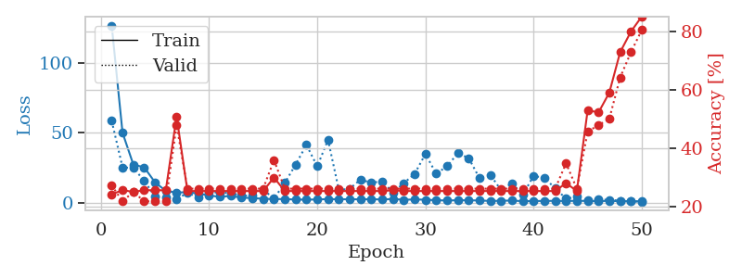
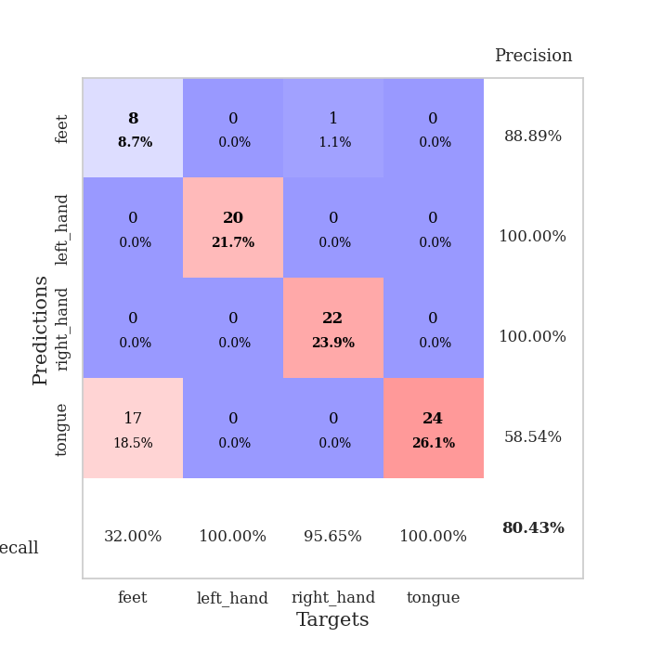
train_loss | valid_loss | train_accuracy | valid_accuracy | dur | train_misclass | valid_misclass
126.69947815 | 58.531846585 | 0.24184782609 | 0.27173913043 | 0.038924217224 | 24.184782609 | 27.173913043
50.102606583 | 25.360829312 | 0.25543478261 | 0.21739130435 | 0.036850690842 | 25.543478261 | 21.739130435
27.294046402 | 24.826584692 | 0.25 | 0.25 | 0.037573337555 | 25 | 25
25.385477257 | 15.962703373 | 0.25543478261 | 0.21739130435 | 0.036926269531 | 25.543478261 | 21.739130435
14.693878937 | 4.4011671232 | 0.25543478261 | 0.21739130435 | 0.036993503571 | 25.543478261 | 21.739130435
8.5213907242 | 4.1113709781 | 0.25543478261 | 0.21739130435 | 0.037302732468 | 25.543478261 | 21.739130435
7.3085114479 | 2.4185220988 | 0.50815217391 | 0.47826086957 | 0.037756681442 | 50.815217391 | 47.826086957
7.6374319077 | 7.2948719108 | 0.2527173913 | 0.26086956522 | 0.03747844696 | 25.27173913 | 26.086956522
6.6555462837 | 3.7197189227 | 0.2527173913 | 0.26086956522 | 0.037563562393 | 25.27173913 | 26.086956522
5.1911067486 | 7.5957466208 | 0.2527173913 | 0.26086956522 | 0.037578344345 | 25.27173913 | 26.086956522
4.339004612 | 7.3569435866 | 0.2527173913 | 0.26086956522 | 0.036868333817 | 25.27173913 | 26.086956522
4.9074174404 | 6.9254337601 | 0.2527173913 | 0.26086956522 | 0.037938594818 | 25.27173913 | 26.086956522
3.7044707298 | 5.2090843657 | 0.2527173913 | 0.26086956522 | 0.0370054245 | 25.27173913 | 26.086956522
3.4133171082 | 4.9134096477 | 0.2527173913 | 0.26086956522 | 0.03711605072 | 25.27173913 | 26.086956522
2.8808648109 | 9.3970635456 | 0.2527173913 | 0.26086956522 | 0.037754297256 | 25.27173913 | 26.086956522
2.7026732445 | 3.0630114182 | 0.29891304348 | 0.35869565217 | 0.037427663803 | 29.891304348 | 35.869565217
2.6743124247 | 14.181291124 | 0.2527173913 | 0.26086956522 | 0.037521123886 | 25.27173913 | 26.086956522
2.3452151537 | 27.343042208 | 0.2527173913 | 0.26086956522 | 0.03738617897 | 25.27173913 | 26.086956522
2.2769945383 | 41.377822378 | 0.2527173913 | 0.26086956522 | 0.038161993027 | 25.27173913 | 26.086956522
2.3822139502 | 26.089572243 | 0.2527173913 | 0.26086956522 | 0.036646604538 | 25.27173913 | 26.086956522
2.7059556484 | 44.969033449 | 0.2527173913 | 0.26086956522 | 0.037571907043 | 25.27173913 | 26.086956522
2.5087496758 | 9.1158434412 | 0.2527173913 | 0.26086956522 | 0.037740707397 | 25.27173913 | 26.086956522
2.5827130795 | 10.131858411 | 0.2527173913 | 0.26086956522 | 0.037126302719 | 25.27173913 | 26.086956522
2.4834053516 | 16.565988209 | 0.2527173913 | 0.26086956522 | 0.03804898262 | 25.27173913 | 26.086956522
2.6142128944 | 14.328920199 | 0.2527173913 | 0.26086956522 | 0.038163900375 | 25.27173913 | 26.086956522
2.3493647337 | 15.402809019 | 0.2527173913 | 0.26086956522 | 0.038373947144 | 25.27173913 | 26.086956522
2.7724937677 | 7.4553838605 | 0.25543478261 | 0.26086956522 | 0.041378974915 | 25.543478261 | 26.086956522
2.1739383221 | 14.059538136 | 0.2527173913 | 0.26086956522 | 0.037683725357 | 25.27173913 | 26.086956522
2.4172778606 | 20.675527324 | 0.2527173913 | 0.26086956522 | 0.038685083389 | 25.27173913 | 26.086956522
2.2174807549 | 34.913034356 | 0.2527173913 | 0.26086956522 | 0.038803815842 | 25.27173913 | 26.086956522
1.8606314898 | 20.799321216 | 0.2527173913 | 0.26086956522 | 0.038181066513 | 25.27173913 | 26.086956522
1.6293562412 | 26.131754502 | 0.2527173913 | 0.26086956522 | 0.038238525391 | 25.27173913 | 26.086956522
1.8575418234 | 35.445874256 | 0.2527173913 | 0.26086956522 | 0.03790140152 | 25.27173913 | 26.086956522
1.8022575617 | 31.964870785 | 0.2527173913 | 0.26086956522 | 0.038654565811 | 25.27173913 | 26.086956522
1.6528502226 | 17.584419831 | 0.2527173913 | 0.26086956522 | 0.037976264954 | 25.27173913 | 26.086956522
1.3450178862 | 20.028337147 | 0.2527173913 | 0.26086956522 | 0.038235187531 | 25.27173913 | 26.086956522
1.4455563307 | 8.924045853 | 0.2527173913 | 0.26086956522 | 0.037785291672 | 25.27173913 | 26.086956522
1.6477098703 | 14.010494274 | 0.2527173913 | 0.26086956522 | 0.038572311401 | 25.27173913 | 26.086956522
1.146799767 | 5.6397814129 | 0.2527173913 | 0.26086956522 | 0.037863016129 | 25.27173913 | 26.086956522
1.307296288 | 19.306867517 | 0.2527173913 | 0.26086956522 | 0.038088321686 | 25.27173913 | 26.086956522
1.3387897491 | 17.70861294 | 0.2527173913 | 0.26086956522 | 0.038225650787 | 25.27173913 | 26.086956522
1.4331770658 | 10.452762853 | 0.2527173913 | 0.26086956522 | 0.037476539612 | 25.27173913 | 26.086956522
1.252967 | 2.9242565321 | 0.27989130435 | 0.34782608696 | 0.038274049759 | 27.989130435 | 34.782608696
1.487217164 | 4.2761607688 | 0.2527173913 | 0.26086956522 | 0.038775205612 | 25.27173913 | 26.086956522
1.3227399588 | 1.5855039462 | 0.52989130435 | 0.45652173913 | 0.041326284409 | 52.989130435 | 45.652173913
1.1904035211 | 2.3387215552 | 0.52173913043 | 0.47826086957 | 0.038015127182 | 52.173913043 | 47.826086957
1.435632205 | 2.1513817829 | 0.58967391304 | 0.5 | 0.038599491119 | 58.967391304 | 50
1.1323505282 | 1.541983423 | 0.72826086957 | 0.64130434783 | 0.038426399231 | 72.826086957 | 64.130434783
1.1175389051 | 1.0609432588 | 0.79891304348 | 0.72826086957 | 0.037632703781 | 79.891304348 | 72.826086957
1.134711349 | 0.75130123418 | 0.85054347826 | 0.80434782609 | 0.038554430008 | 85.054347826 | 80.434782609

Best Val accuracy is 0.8043478260869565 and Best test accuracy is 0.8189655172413793

Sheet6
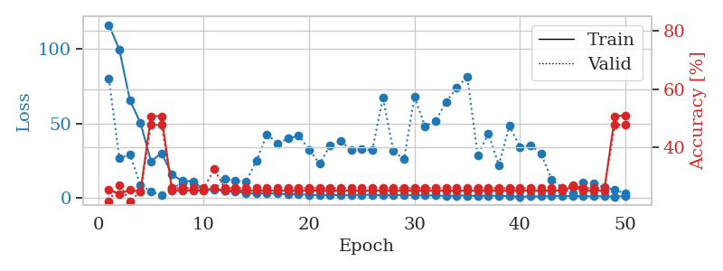
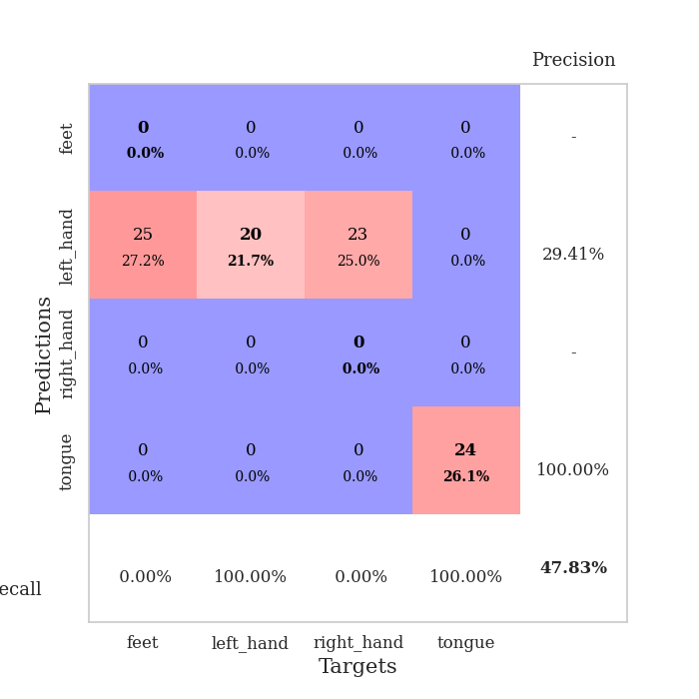
train_loss | valid_loss | train_accuracy | valid_accuracy | dur | train_misclass | valid_misclass
116.33575668 | 80.18390755 | 0.25543478261 | 0.21739130435 | 0.038543462753 | 25.543478261 | 21.739130435
99.65294342 | 26.796702261 | 0.24184782609 | 0.27173913043 | 0.036580085754 | 24.184782609 | 27.173913043
65.653395844 | 29.130428148 | 0.25543478261 | 0.21739130435 | 0.038117408752 | 25.543478261 | 21.739130435
50.446447754 | 8.7733340056 | 0.25 | 0.25 | 0.036772966385 | 25 | 25
24.697648239 | 4.4743912531 | 0.50815217391 | 0.47826086957 | 0.037274360657 | 50.815217391 | 47.826086957
30.177708435 | 1.8114879857 | 0.50815217391 | 0.47826086957 | 0.037240982056 | 50.815217391 | 47.826086957
15.667344856 | 6.8069174808 | 0.2527173913 | 0.26086956522 | 0.036677598953 | 25.27173913 | 26.086956522
11.464089489 | 9.9001259596 | 0.2527173913 | 0.26086956522 | 0.037108659744 | 25.27173913 | 26.086956522
11.320775032 | 10.539970978 | 0.2527173913 | 0.26086956522 | 0.037132740021 | 25.27173913 | 26.086956522
5.609141016 | 5.4490597974 | 0.2527173913 | 0.26086956522 | 0.037674665451 | 25.27173913 | 26.086956522
5.8037628174 | 6.1211791868 | 0.26086956522 | 0.32608695652 | 0.037100076675 | 26.086956522 | 32.608695652
4.7522223711 | 13.157057762 | 0.2527173913 | 0.26086956522 | 0.037758827209 | 25.27173913 | 26.086956522
4.2463307381 | 11.659294709 | 0.2527173913 | 0.26086956522 | 0.037992954254 | 25.27173913 | 26.086956522
3.4322212219 | 10.784663076 | 0.2527173913 | 0.26086956522 | 0.038162469864 | 25.27173913 | 26.086956522
3.0210400581 | 24.967985817 | 0.2527173913 | 0.26086956522 | 0.037306070328 | 25.27173913 | 26.086956522
3.4250712395 | 42.798951025 | 0.2527173913 | 0.26086956522 | 0.037071943283 | 25.27173913 | 26.086956522
2.9877654314 | 36.69502109 | 0.2527173913 | 0.26086956522 | 0.037029266357 | 25.27173913 | 26.086956522
2.4646721601 | 39.969644629 | 0.2527173913 | 0.26086956522 | 0.036900281906 | 25.27173913 | 26.086956522
2.5820784807 | 41.877840291 | 0.2527173913 | 0.26086956522 | 0.040067672729 | 25.27173913 | 26.086956522
2.1421867609 | 32.554252044 | 0.2527173913 | 0.26086956522 | 0.037809371948 | 25.27173913 | 26.086956522
2.0500685453 | 22.95908646 | 0.2527173913 | 0.26086956522 | 0.037161827087 | 25.27173913 | 26.086956522
2.1003664255 | 35.491795747 | 0.2527173913 | 0.26086956522 | 0.036973714828 | 25.27173913 | 26.086956522
1.8696154356 | 38.468590612 | 0.2527173913 | 0.26086956522 | 0.03785943985 | 25.27173913 | 26.086956522
2.1791547298 | 32.061675113 | 0.2527173913 | 0.26086956522 | 0.037388563156 | 25.27173913 | 26.086956522
2.2467303276 | 33.120864122 | 0.2527173913 | 0.26086956522 | 0.037438154221 | 25.27173913 | 26.086956522
2.2626450062 | 32.105112408 | 0.2527173913 | 0.26086956522 | 0.037878274918 | 25.27173913 | 26.086956522
1.6802271128 | 67.547204723 | 0.2527173913 | 0.26086956522 | 0.037413597107 | 25.27173913 | 26.086956522
1.9859031677 | 31.426721241 | 0.2527173913 | 0.26086956522 | 0.03813624382 | 25.27173913 | 26.086956522
2.1130857468 | 26.254815807 | 0.2527173913 | 0.26086956522 | 0.037907838821 | 25.27173913 | 26.086956522
1.90831182 | 67.93322389 | 0.2527173913 | 0.26086956522 | 0.037645101547 | 25.27173913 | 26.086956522
1.7094957113 | 48.186235345 | 0.2527173913 | 0.26086956522 | 0.037258863449 | 25.27173913 | 26.086956522
1.884488225 | 51.983346524 | 0.2527173913 | 0.26086956522 | 0.038270950317 | 25.27173913 | 26.086956522
1.2880141139 | 64.649434795 | 0.2527173913 | 0.26086956522 | 0.036919593811 | 25.27173913 | 26.086956522
1.6693816423 | 73.940665204 | 0.2527173913 | 0.26086956522 | 0.037349939346 | 25.27173913 | 26.086956522
1.6575801611 | 81.684047865 | 0.2527173913 | 0.26086956522 | 0.037152290344 | 25.27173913 | 26.086956522
1.442910552 | 28.775653176 | 0.2527173913 | 0.26086956522 | 0.037576436996 | 25.27173913 | 26.086956522
1.5912235975 | 43.290416386 | 0.2527173913 | 0.26086956522 | 0.036950588226 | 25.27173913 | 26.086956522
1.5657609463 | 22.182294929 | 0.2527173913 | 0.26086956522 | 0.037248849869 | 25.27173913 | 26.086956522
1.241054678 | 48.438405742 | 0.2527173913 | 0.26086956522 | 0.036962747574 | 25.27173913 | 26.086956522
0.92711280584 | 34.42662662 | 0.2527173913 | 0.26086956522 | 0.036852836609 | 25.27173913 | 26.086956522
1.0797289729 | 35.408465676 | 0.2527173913 | 0.26086956522 | 0.040329456329 | 25.27173913 | 26.086956522
1.099516511 | 30.032517723 | 0.2527173913 | 0.26086956522 | 0.037495851517 | 25.27173913 | 26.086956522
1.3968089342 | 12.561499761 | 0.2527173913 | 0.26086956522 | 0.038259506226 | 25.27173913 | 26.086956522
1.2826859951 | 6.9705436126 | 0.2527173913 | 0.26086956522 | 0.038491725922 | 25.27173913 | 26.086956522
1.2877384186 | 3.0232290807 | 0.26630434783 | 0.27173913043 | 0.037554979324 | 26.630434783 | 27.173913043
1.2959102273 | 10.602409238 | 0.2527173913 | 0.26086956522 | 0.038330793381 | 25.27173913 | 26.086956522
1.084053576 | 9.8305137468 | 0.2527173913 | 0.26086956522 | 0.037633180618 | 25.27173913 | 26.086956522
1.2379452348 | 7.1401928197 | 0.2527173913 | 0.26086956522 | 0.038161993027 | 25.27173913 | 26.086956522
0.94887136221 | 5.6944024666 | 0.50815217391 | 0.47826086957 | 0.037726640701 | 50.815217391 | 47.826086957
1.3602550387 | 3.058566166 | 0.51086956522 | 0.47826086957 | 0.037615537643 | 51.086956522 | 47.826086957

Best Val accuracy is 0.4782608695652174 and Best test accuracy is 0.49137931034482757

Sheet7
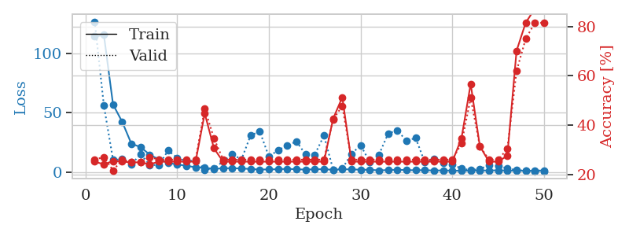

train_loss | valid_loss | train_accuracy | valid_accuracy | dur | train_misclass | valid_misclass
114.07875214 | 126.64088407 | 0.2527173913 | 0.26086956522 | 0.040313482285 | 25.27173913 | 26.086956522
115.40828094 | 55.98922149 | 0.24184782609 | 0.27173913043 | 0.03971529007 | 24.184782609 | 27.173913043
56.87806015 | 10.172712782 | 0.25543478261 | 0.21739130435 | 0.039820671082 | 25.543478261 | 21.739130435
42.211359406 | 10.774251399 | 0.2527173913 | 0.26086956522 | 0.039824724197 | 25.27173913 | 26.086956522
23.810541725 | 6.3882884565 | 0.25 | 0.25 | 0.038248300552 | 25 | 25
20.980656052 | 15.000161669 | 0.25 | 0.25 | 0.038907527924 | 25 | 25
14.607575321 | 5.9081278055 | 0.24184782609 | 0.27173913043 | 0.039420366287 | 24.184782609 | 27.173913043
10.544032001 | 5.7759000115 | 0.2527173913 | 0.26086956522 | 0.03777718544 | 25.27173913 | 26.086956522
7.7119029999 | 18.075564343 | 0.2527173913 | 0.26086956522 | 0.038317680359 | 25.27173913 | 26.086956522
6.2555383682 | 11.988928339 | 0.2527173913 | 0.26086956522 | 0.038589477539 | 25.27173913 | 26.086956522
5.3346417427 | 9.1873506878 | 0.2527173913 | 0.26086956522 | 0.039683818817 | 25.27173913 | 26.086956522
3.8533700943 | 9.7086890262 | 0.2527173913 | 0.26086956522 | 0.037992715836 | 25.27173913 | 26.086956522
3.5117711544 | 1.8884129732 | 0.44836956522 | 0.46739130435 | 0.040116548538 | 44.836956522 | 46.739130435
2.7187038422 | 2.7610217385 | 0.30706521739 | 0.34782608696 | 0.038547754288 | 30.706521739 | 34.782608696
3.1101159573 | 8.9565073926 | 0.2527173913 | 0.26086956522 | 0.038173437119 | 25.27173913 | 26.086956522
3.1991168499 | 15.086239276 | 0.2527173913 | 0.26086956522 | 0.039474487305 | 25.27173913 | 26.086956522
2.9584356785 | 10.483514454 | 0.2527173913 | 0.26086956522 | 0.041252851486 | 25.27173913 | 26.086956522
2.525318408 | 30.743349407 | 0.2527173913 | 0.26086956522 | 0.039613485336 | 25.27173913 | 26.086956522
2.0523702145 | 34.245769169 | 0.2527173913 | 0.26086956522 | 0.039099931717 | 25.27173913 | 26.086956522
2.1818454027 | 12.842540451 | 0.2527173913 | 0.26086956522 | 0.038920402527 | 25.27173913 | 26.086956522
2.3163596392 | 18.449962533 | 0.2527173913 | 0.26086956522 | 0.038594484329 | 25.27173913 | 26.086956522
2.6763925552 | 22.196974547 | 0.2527173913 | 0.26086956522 | 0.039083480835 | 25.27173913 | 26.086956522
2.2569224119 | 25.760823872 | 0.2527173913 | 0.26086956522 | 0.038825511932 | 25.27173913 | 26.086956522
2.0368715286 | 14.754572537 | 0.2527173913 | 0.26086956522 | 0.038264989853 | 25.27173913 | 26.086956522
2.270186758 | 14.62931463 | 0.2527173913 | 0.26086956522 | 0.039039850235 | 25.27173913 | 26.086956522
2.3755491972 | 30.662174225 | 0.2527173913 | 0.26086956522 | 0.038652896881 | 25.27173913 | 26.086956522
1.8447464705 | 2.044831307 | 0.42663043478 | 0.42391304348 | 0.038819074631 | 42.663043478 | 42.391304348
2.2840800524 | 2.9404673576 | 0.51358695652 | 0.47826086957 | 0.039546251297 | 51.358695652 | 47.826086957
2.2227322102 | 15.201686693 | 0.2527173913 | 0.26086956522 | 0.045010566711 | 25.27173913 | 26.086956522
1.9019021988 | 22.594661298 | 0.2527173913 | 0.26086956522 | 0.038481712341 | 25.27173913 | 26.086956522
1.8508720636 | 8.2553789097 | 0.2527173913 | 0.26086956522 | 0.037116765976 | 25.27173913 | 26.086956522
1.3686775327 | 14.583693338 | 0.2527173913 | 0.26086956522 | 0.035850048065 | 25.27173913 | 26.086956522
1.5841326475 | 32.360179321 | 0.2527173913 | 0.26086956522 | 0.035674333572 | 25.27173913 | 26.086956522
1.9472480536 | 35.176848204 | 0.2527173913 | 0.26086956522 | 0.036105871201 | 25.27173913 | 26.086956522
1.5365412474 | 26.19950676 | 0.2527173913 | 0.26086956522 | 0.036159753799 | 25.27173913 | 26.086956522
1.5068485856 | 28.672192532 | 0.2527173913 | 0.26086956522 | 0.035887241364 | 25.27173913 | 26.086956522
1.48215698 | 8.0611988358 | 0.2527173913 | 0.26086956522 | 0.036237001419 | 25.27173913 | 26.086956522
1.2878361464 | 11.237174532 | 0.2527173913 | 0.26086956522 | 0.03699016571 | 25.27173913 | 26.086956522
1.2997988105 | 7.4088264341 | 0.2527173913 | 0.26086956522 | 0.036580324173 | 25.27173913 | 26.086956522
1.145968473 | 6.1701044414 | 0.2527173913 | 0.26086956522 | 0.036990404129 | 25.27173913 | 26.086956522
1.0109835744 | 3.0119218412 | 0.34782608696 | 0.32608695652 | 0.037145376205 | 34.782608696 | 32.608695652
1.1670632243 | 1.4791589561 | 0.56793478261 | 0.51086956522 | 0.036649942398 | 56.793478261 | 51.086956522
1.2141496062 | 2.484718924 | 0.3152173913 | 0.3152173913 | 0.036423683167 | 31.52173913 | 31.52173913
1.272954905 | 5.8102124048 | 0.2527173913 | 0.26086956522 | 0.035989999771 | 25.27173913 | 26.086956522
1.3812035799 | 5.1369810312 | 0.2527173913 | 0.26086956522 | 0.036033391953 | 25.27173913 | 26.086956522
1.1807384491 | 3.0403595178 | 0.27717391304 | 0.30434782609 | 0.036598682404 | 27.717391304 | 30.434782609
1.0931385994 | 1.6333081567 | 0.70108695652 | 0.61956521739 | 0.035691976547 | 70.108695652 | 61.956521739
1.0910087109 | 0.96836284192 | 0.8152173913 | 0.75 | 0.035567998886 | 81.52173913 | 75
1.1029481292 | 0.7048016346 | 0.8722826087 | 0.8152173913 | 0.036346435547 | 87.22826087 | 81.52173913
1.2965430856 | 0.58916375689 | 0.89673913043 | 0.8152173913 | 0.036291122437 | 89.673913043 | 81.52173913

Best Val accuracy is 0.8152173913043478 and Best test accuracy is 0.8362068965517241

Sheet8
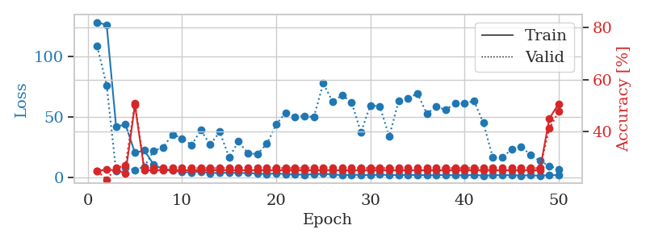
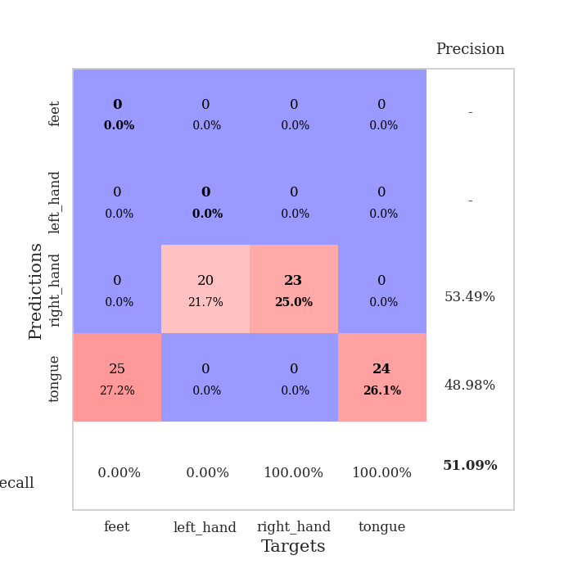
train_loss | valid_loss | train_accuracy | valid_accuracy | dur | train_misclass | valid_misclass
128.69292145 | 108.6185933 | 0.25 | 0.25 | 0.038308382034 | 25 | 25
126.28093872 | 76.162258646 | 0.25543478261 | 0.21739130435 | 0.035866975784 | 25.543478261 | 21.739130435
42.061123276 | 4.8981728968 | 0.2527173913 | 0.26086956522 | 0.036779880524 | 25.27173913 | 26.086956522
43.694565582 | 7.9626064715 | 0.24184782609 | 0.27173913043 | 0.036562919617 | 24.184782609 | 27.173913043
20.233302784 | 6.01581928 | 0.5027173913 | 0.51086956522 | 0.036051988602 | 50.27173913 | 51.086956522
22.297277451 | 8.7841721618 | 0.2527173913 | 0.26086956522 | 0.036425828934 | 25.27173913 | 26.086956522
10.295332813 | 21.777296647 | 0.2527173913 | 0.26086956522 | 0.036222457886 | 25.27173913 | 26.086956522
6.7361458302 | 24.802541235 | 0.2527173913 | 0.26086956522 | 0.035960912704 | 25.27173913 | 26.086956522
5.9309644699 | 35.584458558 | 0.2527173913 | 0.26086956522 | 0.036467075348 | 25.27173913 | 26.086956522
4.1745319366 | 32.21701904 | 0.2527173913 | 0.26086956522 | 0.035652399063 | 25.27173913 | 26.086956522
4.0136949539 | 26.720763414 | 0.2527173913 | 0.26086956522 | 0.038239240646 | 25.27173913 | 26.086956522
4.6869825363 | 38.990758813 | 0.2527173913 | 0.26086956522 | 0.037137985229 | 25.27173913 | 26.086956522
3.3217157841 | 26.902683921 | 0.2527173913 | 0.26086956522 | 0.036393404007 | 25.27173913 | 26.086956522
3.6697620869 | 37.692968783 | 0.2527173913 | 0.26086956522 | 0.037107944489 | 25.27173913 | 26.086956522
3.7581478119 | 16.493132923 | 0.2527173913 | 0.26086956522 | 0.037276268005 | 25.27173913 | 26.086956522
3.4778570652 | 29.581900472 | 0.2527173913 | 0.26086956522 | 0.037878990173 | 25.27173913 | 26.086956522
3.4678529263 | 19.769032354 | 0.2527173913 | 0.26086956522 | 0.037063598633 | 25.27173913 | 26.086956522
2.9860474586 | 19.195211576 | 0.2527173913 | 0.26086956522 | 0.037587404251 | 25.27173913 | 26.086956522
2.6143083096 | 27.571443889 | 0.2527173913 | 0.26086956522 | 0.036546945572 | 25.27173913 | 26.086956522
3.2120666027 | 43.778537916 | 0.2527173913 | 0.26086956522 | 0.036125659943 | 25.27173913 | 26.086956522
2.451538682 | 53.596718 | 0.2527173913 | 0.26086956522 | 0.036081790924 | 25.27173913 | 26.086956522
2.3011395931 | 50.183186075 | 0.2527173913 | 0.26086956522 | 0.038450479507 | 25.27173913 | 26.086956522
2.0832764149 | 50.629459381 | 0.2527173913 | 0.26086956522 | 0.038510560989 | 25.27173913 | 26.086956522
2.4561562777 | 50.051265385 | 0.2527173913 | 0.26086956522 | 0.035926818848 | 25.27173913 | 26.086956522
2.8128262997 | 77.885843028 | 0.2527173913 | 0.26086956522 | 0.036398172379 | 25.27173913 | 26.086956522
2.2870220184 | 62.639356033 | 0.2527173913 | 0.26086956522 | 0.036734104156 | 25.27173913 | 26.086956522
1.6704052448 | 68.051967123 | 0.2527173913 | 0.26086956522 | 0.037216901779 | 25.27173913 | 26.086956522
1.9514034748 | 62.229783929 | 0.2527173913 | 0.26086956522 | 0.037009954453 | 25.27173913 | 26.086956522
1.9326273918 | 37.285414488 | 0.2527173913 | 0.26086956522 | 0.036893606186 | 25.27173913 | 26.086956522
1.5427032113 | 59.631695125 | 0.2527173913 | 0.26086956522 | 0.036264657974 | 25.27173913 | 26.086956522
2.1422414303 | 58.932571079 | 0.2527173913 | 0.26086956522 | 0.0365254879 | 25.27173913 | 26.086956522
1.6922487497 | 33.890935317 | 0.2527173913 | 0.26086956522 | 0.037145376205 | 25.27173913 | 26.086956522
1.8384839058 | 63.067345495 | 0.2527173913 | 0.26086956522 | 0.036419630051 | 25.27173913 | 26.086956522
1.8663945913 | 65.449269336 | 0.2527173913 | 0.26086956522 | 0.037207365036 | 25.27173913 | 26.086956522
1.8436071873 | 69.501436316 | 0.2527173913 | 0.26086956522 | 0.037267208099 | 25.27173913 | 26.086956522
1.5782298326 | 52.590980861 | 0.2527173913 | 0.26086956522 | 0.03705239296 | 25.27173913 | 26.086956522
1.7459474802 | 58.805710668 | 0.2527173913 | 0.26086956522 | 0.036755084991 | 25.27173913 | 26.086956522
1.8760816336 | 55.804551166 | 0.2527173913 | 0.26086956522 | 0.036365270615 | 25.27173913 | 26.086956522
1.451718688 | 61.468346969 | 0.2527173913 | 0.26086956522 | 0.037762880325 | 25.27173913 | 26.086956522
1.4998690367 | 61.144909237 | 0.2527173913 | 0.26086956522 | 0.036945343018 | 25.27173913 | 26.086956522
1.8221813202 | 63.293796705 | 0.2527173913 | 0.26086956522 | 0.036746740341 | 25.27173913 | 26.086956522
1.3120763302 | 45.076149484 | 0.2527173913 | 0.26086956522 | 0.036533117294 | 25.27173913 | 26.086956522
1.5341938615 | 16.215435733 | 0.2527173913 | 0.26086956522 | 0.037485837936 | 25.27173913 | 26.086956522
1.772034812 | 16.223197025 | 0.2527173913 | 0.26086956522 | 0.036563158035 | 25.27173913 | 26.086956522
1.5520725489 | 23.212674182 | 0.2527173913 | 0.26086956522 | 0.036732435226 | 25.27173913 | 26.086956522
1.4052332878 | 25.24757717 | 0.2527173913 | 0.26086956522 | 0.036158800125 | 25.27173913 | 26.086956522
1.5084508181 | 18.749405654 | 0.2527173913 | 0.26086956522 | 0.036408185959 | 25.27173913 | 26.086956522
1.2693199873 | 13.540443047 | 0.2527173913 | 0.26086956522 | 0.036597251892 | 25.27173913 | 26.086956522
1.6531945944 | 9.253786087 | 0.45108695652 | 0.41304347826 | 0.036041259766 | 45.108695652 | 41.304347826
1.6903338194 | 6.7599381364 | 0.50815217391 | 0.47826086957 | 0.0364382267 | 50.815217391 | 47.826086957

Best Val accuracy is 0.5108695652173914 and Best test accuracy is 0.4827586206896552

Sheet9
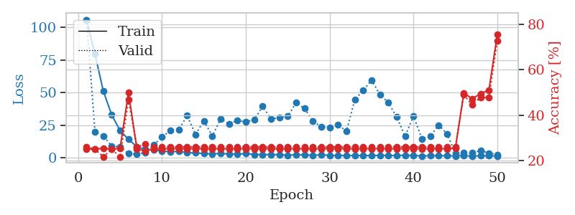
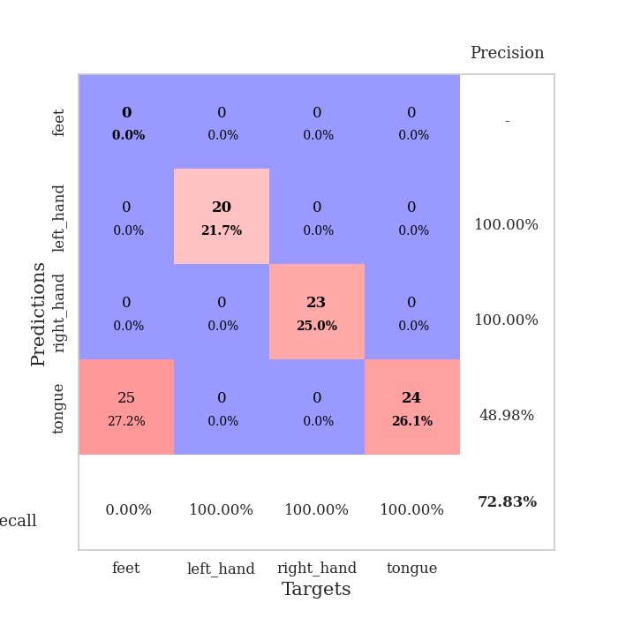
train_loss | valid_loss | train_accuracy | valid_accuracy | dur | train_misclass | valid_misclass
105.63602333 | 105.85042406 | 0.2527173913 | 0.26086956522 | 0.038108825684 | 25.27173913 | 26.086956522
79.515547943 | 20.068880993 | 0.25 | 0.25 | 0.037060260773 | 25 | 25
51.051525879 | 16.690069364 | 0.25543478261 | 0.21739130435 | 0.036829471588 | 25.543478261 | 21.739130435
32.817939377 | 9.0115787257 | 0.25 | 0.25 | 0.036028385162 | 25 | 25
20.802141953 | 8.1920700281 | 0.25543478261 | 0.21739130435 | 0.038795232773 | 25.543478261 | 21.739130435
14.130371857 | 3.1571622102 | 0.5 | 0.46739130435 | 0.035080909729 | 50 | 46.739130435
8.4553965569 | 2.7900865285 | 0.2527173913 | 0.26086956522 | 0.035232543945 | 25.27173913 | 26.086956522
6.5237760544 | 4.1146008657 | 0.24184782609 | 0.27173913043 | 0.035062789917 | 24.184782609 | 27.173913043
5.8448784351 | 9.7423970181 | 0.2527173913 | 0.26086956522 | 0.035007476807 | 25.27173913 | 26.086956522
5.2483794689 | 15.789095257 | 0.2527173913 | 0.26086956522 | 0.035578966141 | 25.27173913 | 26.086956522
4.4977211952 | 20.83686812 | 0.2527173913 | 0.26086956522 | 0.035444021225 | 25.27173913 | 26.086956522
5.024280262 | 21.535509027 | 0.2527173913 | 0.26086956522 | 0.035923242569 | 25.27173913 | 26.086956522
3.7870995045 | 32.226871242 | 0.2527173913 | 0.26086956522 | 0.035614013672 | 25.27173913 | 26.086956522
3.7712218761 | 17.862248296 | 0.2527173913 | 0.26086956522 | 0.036629199982 | 25.27173913 | 26.086956522
3.1438361168 | 28.2695859 | 0.2527173913 | 0.26086956522 | 0.036714792252 | 25.27173913 | 26.086956522
2.9715829372 | 16.579358391 | 0.2527173913 | 0.26086956522 | 0.037894964218 | 25.27173913 | 26.086956522
3.3125622272 | 29.99640274 | 0.2527173913 | 0.26086956522 | 0.035384654999 | 25.27173913 | 26.086956522
2.8234281063 | 25.909910617 | 0.2527173913 | 0.26086956522 | 0.035852193832 | 25.27173913 | 26.086956522
2.7210870266 | 28.576979844 | 0.2527173913 | 0.26086956522 | 0.035976171494 | 25.27173913 | 26.086956522
3.1916274071 | 27.513243385 | 0.2527173913 | 0.26086956522 | 0.036577224731 | 25.27173913 | 26.086956522
2.4642449856 | 29.181361074 | 0.2527173913 | 0.26086956522 | 0.036550760269 | 25.27173913 | 26.086956522
2.3423918486 | 39.429714369 | 0.2527173913 | 0.26086956522 | 0.036471843719 | 25.27173913 | 26.086956522
2.4543755531 | 29.852593629 | 0.2527173913 | 0.26086956522 | 0.036150455475 | 25.27173913 | 26.086956522
2.3296210766 | 30.61152624 | 0.2527173913 | 0.26086956522 | 0.035826683044 | 25.27173913 | 26.086956522
1.9445518255 | 31.904492751 | 0.2527173913 | 0.26086956522 | 0.036840677261 | 25.27173913 | 26.086956522
2.2330835104 | 42.167912856 | 0.2527173913 | 0.26086956522 | 0.036617994308 | 25.27173913 | 26.086956522
2.1522744894 | 37.702618972 | 0.2527173913 | 0.26086956522 | 0.036519527435 | 25.27173913 | 26.086956522
1.8411531448 | 28.282945799 | 0.2527173913 | 0.26086956522 | 0.037136077881 | 25.27173913 | 26.086956522
2.2324664116 | 23.589691991 | 0.2527173913 | 0.26086956522 | 0.036216497421 | 25.27173913 | 26.086956522
1.7700389147 | 23.397353711 | 0.2527173913 | 0.26086956522 | 0.036006689072 | 25.27173913 | 26.086956522
1.6684122801 | 25.256056329 | 0.2527173913 | 0.26086956522 | 0.036317110062 | 25.27173913 | 26.086956522
1.6389273405 | 20.325617168 | 0.2527173913 | 0.26086956522 | 0.03605556488 | 25.27173913 | 26.086956522
1.6586979389 | 44.579329947 | 0.2527173913 | 0.26086956522 | 0.035807847977 | 25.27173913 | 26.086956522
1.7234680176 | 51.606210792 | 0.2527173913 | 0.26086956522 | 0.036518335342 | 25.27173913 | 26.086956522
1.5234155893 | 59.624601945 | 0.2527173913 | 0.26086956522 | 0.036037921906 | 25.27173913 | 26.086956522
1.7882911682 | 48.321971562 | 0.2527173913 | 0.26086956522 | 0.035698413849 | 25.27173913 | 26.086956522
1.7509782553 | 42.271402608 | 0.2527173913 | 0.26086956522 | 0.035671710968 | 25.27173913 | 26.086956522
1.6451523781 | 31.125159388 | 0.2527173913 | 0.26086956522 | 0.036200046539 | 25.27173913 | 26.086956522
1.8862449884 | 16.585903209 | 0.2527173913 | 0.26086956522 | 0.035753965378 | 25.27173913 | 26.086956522
1.7251449823 | 31.992950274 | 0.2527173913 | 0.26086956522 | 0.035736560822 | 25.27173913 | 26.086956522
1.3655410051 | 14.609838113 | 0.2527173913 | 0.26086956522 | 0.036225557327 | 25.27173913 | 26.086956522
1.5631734133 | 16.49300994 | 0.2527173913 | 0.26086956522 | 0.037936449051 | 25.27173913 | 26.086956522
1.5723452806 | 25.02559496 | 0.2527173913 | 0.26086956522 | 0.034846067429 | 25.27173913 | 26.086956522
1.4760369539 | 18.376611958 | 0.2527173913 | 0.26086956522 | 0.035452842712 | 25.27173913 | 26.086956522
1.3181589723 | 3.3757725488 | 0.25543478261 | 0.26086956522 | 0.035046100616 | 25.543478261 | 26.086956522
1.6060881853 | 3.6872588966 | 0.4972826087 | 0.48913043478 | 0.035000324249 | 49.72826087 | 48.913043478
1.2872796655 | 3.6863890213 | 0.47282608696 | 0.44565217391 | 0.035622835159 | 47.282608696 | 44.565217391
1.4781439066 | 5.5482026598 | 0.49456521739 | 0.47826086957 | 0.036301136017 | 49.456521739 | 47.826086957
1.4499533415 | 3.5840357283 | 0.51086956522 | 0.47826086957 | 0.03596997261 | 51.086956522 | 47.826086957
1.3193524718 | 2.4669423103 | 0.75543478261 | 0.72826086957 | 0.036176919937 | 75.543478261 | 72.826086957

Best Val accuracy is 0.7282608695652174 and Best test accuracy is 0.7413793103448276

Sheet10
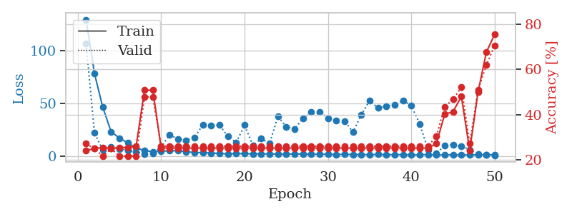
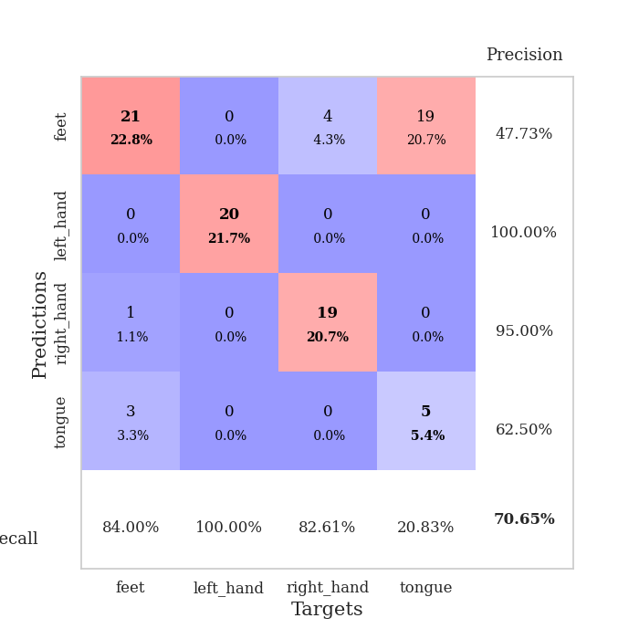
train_loss | valid_loss | train_accuracy | valid_accuracy | dur | train_misclass | valid_misclass
129.23634911 | 106.35498644 | 0.24184782609 | 0.27173913043 | 0.037427902222 | 24.184782609 | 27.173913043
78.210863495 | 22.115243082 | 0.25 | 0.25 | 0.037168502808 | 25 | 25
46.192966461 | 5.6537312425 | 0.25543478261 | 0.21739130435 | 0.036958456039 | 25.543478261 | 21.739130435
23.041761398 | 8.9625448559 | 0.25 | 0.25 | 0.037783384323 | 25 | 25
17.04660244 | 6.910589695 | 0.25543478261 | 0.21739130435 | 0.038224220276 | 25.543478261 | 21.739130435
12.48133297 | 5.5089243599 | 0.25543478261 | 0.21739130435 | 0.037019252777 | 25.543478261 | 21.739130435
7.8535014153 | 4.0478880716 | 0.26086956522 | 0.21739130435 | 0.036455869675 | 26.086956522 | 21.739130435
5.1234277725 | 2.2283965505 | 0.50815217391 | 0.47826086957 | 0.036455154419 | 50.815217391 | 47.826086957
4.2537831306 | 2.6409199238 | 0.50815217391 | 0.47826086957 | 0.037828207016 | 50.815217391 | 47.826086957
4.4843081474 | 8.7827731008 | 0.2527173913 | 0.26086956522 | 0.037122488022 | 25.27173913 | 26.086956522
5.0903641701 | 19.957817161 | 0.2527173913 | 0.26086956522 | 0.037720918655 | 25.27173913 | 26.086956522
5.0625506401 | 16.37081648 | 0.2527173913 | 0.26086956522 | 0.036855697632 | 25.27173913 | 26.086956522
4.2686542988 | 15.059540251 | 0.2527173913 | 0.26086956522 | 0.03763961792 | 25.27173913 | 26.086956522
3.3659627438 | 17.488995096 | 0.2527173913 | 0.26086956522 | 0.036763191223 | 25.27173913 | 26.086956522
3.3661541462 | 29.856130683 | 0.2527173913 | 0.26086956522 | 0.037589073181 | 25.27173913 | 26.086956522
2.9154910803 | 28.835756799 | 0.2527173913 | 0.26086956522 | 0.03712439537 | 25.27173913 | 26.086956522
2.5036074638 | 29.336803187 | 0.2527173913 | 0.26086956522 | 0.036951303482 | 25.27173913 | 26.086956522
2.0588807106 | 18.543964137 | 0.2527173913 | 0.26086956522 | 0.037830591202 | 25.27173913 | 26.086956522
2.2963379383 | 13.017319845 | 0.2527173913 | 0.26086956522 | 0.036569595337 | 25.27173913 | 26.086956522
2.2996188641 | 29.299626641 | 0.2527173913 | 0.26086956522 | 0.036038398743 | 25.27173913 | 26.086956522
2.1045280457 | 10.100422113 | 0.2527173913 | 0.26086956522 | 0.03607416153 | 25.27173913 | 26.086956522
2.1304137707 | 16.564866646 | 0.2527173913 | 0.26086956522 | 0.036276578903 | 25.27173913 | 26.086956522
2.0739636898 | 11.805670158 | 0.2527173913 | 0.26086956522 | 0.036423683167 | 25.27173913 | 26.086956522
1.8908899069 | 37.701568604 | 0.2527173913 | 0.26086956522 | 0.035685300827 | 25.27173913 | 26.086956522
1.9230913401 | 27.664258211 | 0.2527173913 | 0.26086956522 | 0.037019729614 | 25.27173913 | 26.086956522
1.9668591022 | 25.565470239 | 0.2527173913 | 0.26086956522 | 0.038665771484 | 25.27173913 | 26.086956522
1.9997188807 | 35.759176337 | 0.2527173913 | 0.26086956522 | 0.036863803864 | 25.27173913 | 26.086956522
1.691261816 | 41.470904806 | 0.2527173913 | 0.26086956522 | 0.037391662598 | 25.27173913 | 26.086956522
1.843222785 | 42.079958874 | 0.2527173913 | 0.26086956522 | 0.037905454636 | 25.27173913 | 26.086956522
1.7426382065 | 35.921731866 | 0.2527173913 | 0.26086956522 | 0.036372900009 | 25.27173913 | 26.086956522
1.454283762 | 33.35366672 | 0.2527173913 | 0.26086956522 | 0.036761045456 | 25.27173913 | 26.086956522
1.7301220655 | 33.312598021 | 0.2527173913 | 0.26086956522 | 0.037158250809 | 25.27173913 | 26.086956522
1.4808122993 | 22.544252479 | 0.2527173913 | 0.26086956522 | 0.036388158798 | 25.27173913 | 26.086956522
1.514373064 | 39.147626462 | 0.2527173913 | 0.26086956522 | 0.038269281387 | 25.27173913 | 26.086956522
1.3041654348 | 52.560361448 | 0.2527173913 | 0.26086956522 | 0.036506175995 | 25.27173913 | 26.086956522
1.6153791666 | 45.534675598 | 0.2527173913 | 0.26086956522 | 0.036499977112 | 25.27173913 | 26.086956522
1.3314895988 | 47.229549408 | 0.2527173913 | 0.26086956522 | 0.036739587784 | 25.27173913 | 26.086956522
1.3700873137 | 48.472865892 | 0.2527173913 | 0.26086956522 | 0.03724360466 | 25.27173913 | 26.086956522
1.335738945 | 52.812390701 | 0.2527173913 | 0.26086956522 | 0.035959482193 | 25.27173913 | 26.086956522
1.0913073063 | 47.662321505 | 0.2527173913 | 0.26086956522 | 0.038156270981 | 25.27173913 | 26.086956522
1.2344353795 | 30.513793531 | 0.2527173913 | 0.26086956522 | 0.037581920624 | 25.27173913 | 26.086956522
1.5235947371 | 6.1749448569 | 0.2527173913 | 0.26086956522 | 0.036402225494 | 25.27173913 | 26.086956522
1.1129342556 | 2.4149569532 | 0.27173913043 | 0.30434782609 | 0.037266016006 | 27.173913043 | 30.434782609
1.0894994736 | 10.165317411 | 0.40217391304 | 0.4347826087 | 0.040076255798 | 40.217391304 | 43.47826087
1.3431245089 | 10.889405997 | 0.41304347826 | 0.46739130435 | 0.043971061707 | 41.304347826 | 46.739130435
1.1018792391 | 9.23072222 | 0.48097826087 | 0.52173913043 | 0.037773132324 | 48.097826087 | 52.173913043
1.201078558 | 6.2143115375 | 0.24184782609 | 0.27173913043 | 0.038100719452 | 24.184782609 | 27.173913043
1.1956691265 | 1.7324207555 | 0.5 | 0.51086956522 | 0.038331270218 | 50 | 51.086956522
1.3791747093 | 1.0274222415 | 0.67663043478 | 0.61956521739 | 0.038034677505 | 67.663043478 | 61.956521739
1.207570219 | 0.74687928221 | 0.75543478261 | 0.70652173913 | 0.038208723068 | 75.543478261 | 70.652173913

Best Val accuracy is 0.7065217391304348 and Best test accuracy is 0.7241379310344828

