Sheet
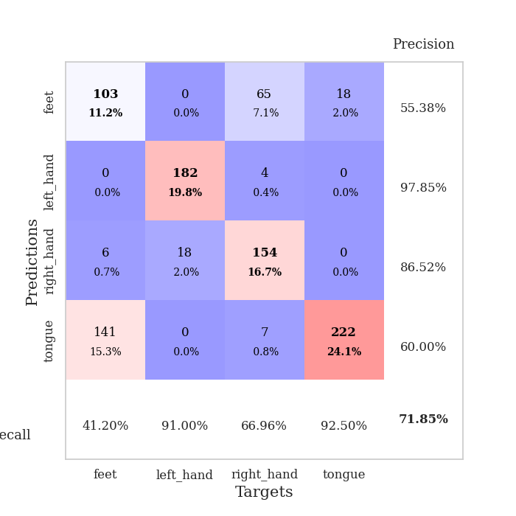
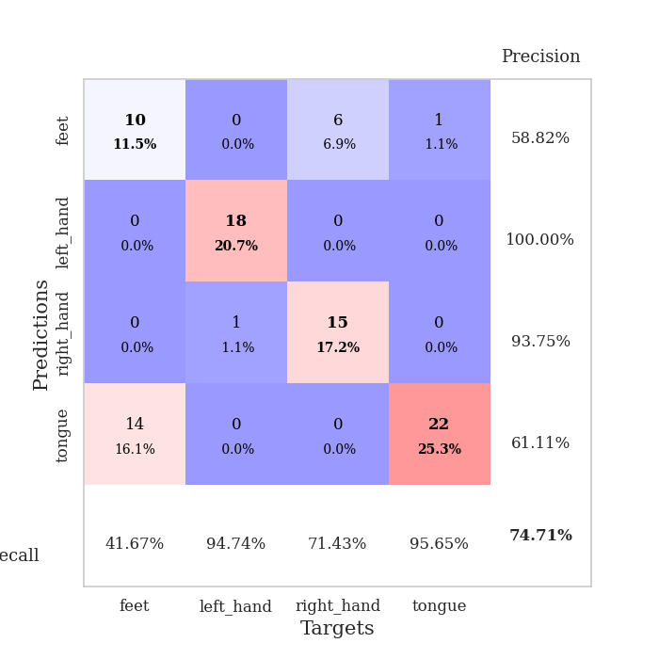
best_val_acc | best_val_los | best_test_acc
0.78260869565 | 0.51764456733 | 0.75
0.82608695652 | 0.44259996647 | 0.76724137931
0.77173913043 | 0.51467902505 | 0.8275862069
0.53260869565 | 1.4355220328 | 0.49137931034
0.73913043478 | 0.57453367244 | 0.81034482759
0.69565217391 | 0.54038073965 | 0.68965517241
0.82608695652 | 0.42819021189 | 0.79310344828
0.55434782609 | 1.2001104873 | 0.56034482759
0.71739130435 | 1.5578608824 | 0.74137931034
0.73913043478 | 1.1633962652 | 0.75

Mean,std Val accuracy is 0.7184782608695651 , 0.10163673157273855 and mean, std test accuracy is 0.7181034482758621 , 0.10965194939719904

Sheet1
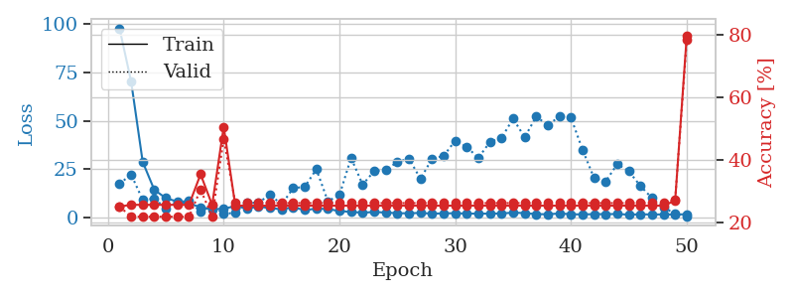
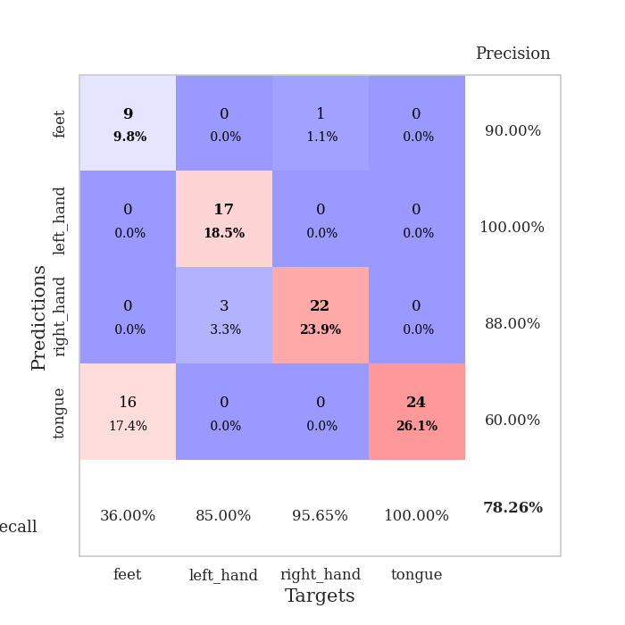
train_loss | valid_loss | train_accuracy | valid_accuracy | dur | train_misclass | valid_misclass
97.80426178 | 17.406898416 | 0.25 | 0.25 | 0.038021564484 | 25 | 25
70.377647781 | 22.180486845 | 0.25543478261 | 0.21739130435 | 0.038865089417 | 25.543478261 | 21.739130435
28.722735786 | 9.0519730941 | 0.25543478261 | 0.21739130435 | 0.038303613663 | 25.543478261 | 21.739130435
14.266592216 | 9.6755206067 | 0.25543478261 | 0.21739130435 | 0.038618564606 | 25.543478261 | 21.739130435
9.9569046021 | 4.7430057318 | 0.25543478261 | 0.21739130435 | 0.037671089172 | 25.543478261 | 21.739130435
8.1570357323 | 7.7694674575 | 0.25543478261 | 0.21739130435 | 0.037074565887 | 25.543478261 | 21.739130435
7.1054992676 | 8.6919763814 | 0.25543478261 | 0.21739130435 | 0.036701202393 | 25.543478261 | 21.739130435
5.28539505 | 2.8987735873 | 0.35326086957 | 0.30434782609 | 0.036560535431 | 35.326086957 | 30.434782609
4.1074971199 | 6.0991772154 | 0.25543478261 | 0.21739130435 | 0.037102222443 | 25.543478261 | 21.739130435
4.5208758831 | 1.8335707343 | 0.50543478261 | 0.46739130435 | 0.036445856094 | 50.543478261 | 46.739130435
5.7739492416 | 2.3586369494 | 0.2527173913 | 0.26086956522 | 0.038601398468 | 25.27173913 | 26.086956522
4.6490164757 | 7.5412932479 | 0.2527173913 | 0.26086956522 | 0.036723136902 | 25.27173913 | 26.086956522
5.4618426323 | 7.5899702362 | 0.2527173913 | 0.26086956522 | 0.037721633911 | 25.27173913 | 26.086956522
4.8439930439 | 11.802581912 | 0.2527173913 | 0.26086956522 | 0.037544250488 | 25.27173913 | 26.086956522
4.1610959053 | 6.5935618566 | 0.2527173913 | 0.26086956522 | 0.037663221359 | 25.27173913 | 26.086956522
5.1995634556 | 15.147728879 | 0.2527173913 | 0.26086956522 | 0.037661552429 | 25.27173913 | 26.086956522
3.7632568359 | 15.76316423 | 0.2527173913 | 0.26086956522 | 0.037546157837 | 25.27173913 | 26.086956522
4.5196700096 | 24.941233179 | 0.2527173913 | 0.26086956522 | 0.038420915604 | 25.27173913 | 26.086956522
4.3053025246 | 8.32844842 | 0.2527173913 | 0.26086956522 | 0.038788557053 | 25.27173913 | 26.086956522
3.2817987919 | 11.536012152 | 0.2527173913 | 0.26086956522 | 0.037925243378 | 25.27173913 | 26.086956522
2.7942461729 | 30.793646771 | 0.2527173913 | 0.26086956522 | 0.037719488144 | 25.27173913 | 26.086956522
2.4454297781 | 16.989181519 | 0.2527173913 | 0.26086956522 | 0.03706407547 | 25.27173913 | 26.086956522
2.7474674225 | 23.919133477 | 0.2527173913 | 0.26086956522 | 0.04114317894 | 25.27173913 | 26.086956522
2.5109861612 | 24.563070712 | 0.2527173913 | 0.26086956522 | 0.038163423538 | 25.27173913 | 26.086956522
2.1253226995 | 28.65356238 | 0.2527173913 | 0.26086956522 | 0.03781747818 | 25.27173913 | 26.086956522
2.1264144659 | 30.452040714 | 0.2527173913 | 0.26086956522 | 0.038429260254 | 25.27173913 | 26.086956522
2.2853011847 | 19.938493563 | 0.2527173913 | 0.26086956522 | 0.041414022446 | 25.27173913 | 26.086956522
1.920468688 | 30.371945837 | 0.2527173913 | 0.26086956522 | 0.039802789688 | 25.27173913 | 26.086956522
2.0716825008 | 31.837693671 | 0.2527173913 | 0.26086956522 | 0.038701057434 | 25.27173913 | 26.086956522
2.1411852598 | 39.748970695 | 0.2527173913 | 0.26086956522 | 0.037735462189 | 25.27173913 | 26.086956522
1.9661451101 | 36.433767733 | 0.2527173913 | 0.26086956522 | 0.038709163666 | 25.27173913 | 26.086956522
1.9224077702 | 30.792749737 | 0.2527173913 | 0.26086956522 | 0.038830280304 | 25.27173913 | 26.086956522
1.9292737961 | 39.075678452 | 0.2527173913 | 0.26086956522 | 0.037633895874 | 25.27173913 | 26.086956522
2.0214048624 | 41.11682925 | 0.2527173913 | 0.26086956522 | 0.037635803223 | 25.27173913 | 26.086956522
2.4326802969 | 51.129449098 | 0.2527173913 | 0.26086956522 | 0.038360357285 | 25.27173913 | 26.086956522
2.2030682087 | 41.441668967 | 0.2527173913 | 0.26086956522 | 0.040613174438 | 25.27173913 | 26.086956522
1.6887583971 | 52.249377873 | 0.2527173913 | 0.26086956522 | 0.037797212601 | 25.27173913 | 26.086956522
1.5943007946 | 47.66115371 | 0.2527173913 | 0.26086956522 | 0.038333892822 | 25.27173913 | 26.086956522
2.0098694086 | 52.322189165 | 0.2527173913 | 0.26086956522 | 0.038207769394 | 25.27173913 | 26.086956522
1.632565093 | 51.62281053 | 0.2527173913 | 0.26086956522 | 0.038475990295 | 25.27173913 | 26.086956522
1.5006135702 | 34.974657473 | 0.2527173913 | 0.26086956522 | 0.038157463074 | 25.27173913 | 26.086956522
1.680528748 | 20.319888737 | 0.2527173913 | 0.26086956522 | 0.039541959763 | 25.27173913 | 26.086956522
1.663090539 | 18.656824941 | 0.2527173913 | 0.26086956522 | 0.039716959 | 25.27173913 | 26.086956522
1.7242168427 | 27.580197127 | 0.2527173913 | 0.26086956522 | 0.038233995438 | 25.27173913 | 26.086956522
1.4121926308 | 23.835279548 | 0.2527173913 | 0.26086956522 | 0.038902997971 | 25.27173913 | 26.086956522
1.5947602987 | 16.258830858 | 0.2527173913 | 0.26086956522 | 0.038822412491 | 25.27173913 | 26.086956522
1.4852705956 | 9.970275174 | 0.2527173913 | 0.26086956522 | 0.038482189178 | 25.27173913 | 26.086956522
1.517549324 | 4.9869053053 | 0.2527173913 | 0.26086956522 | 0.038635730743 | 25.27173913 | 26.086956522
1.4773069382 | 1.9327386359 | 0.26902173913 | 0.27173913043 | 0.038119792938 | 26.902173913 | 27.173913043
1.6013160586 | 0.51764456733 | 0.79619565217 | 0.78260869565 | 0.038868188858 | 79.619565217 | 78.260869565

Best Val accuracy is 0.782608695652174 and Best test accuracy is 0.75

Sheet2
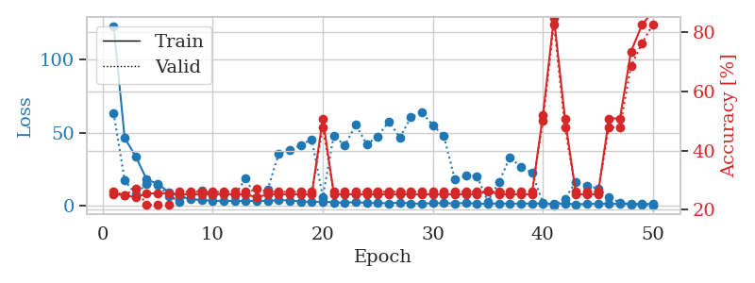
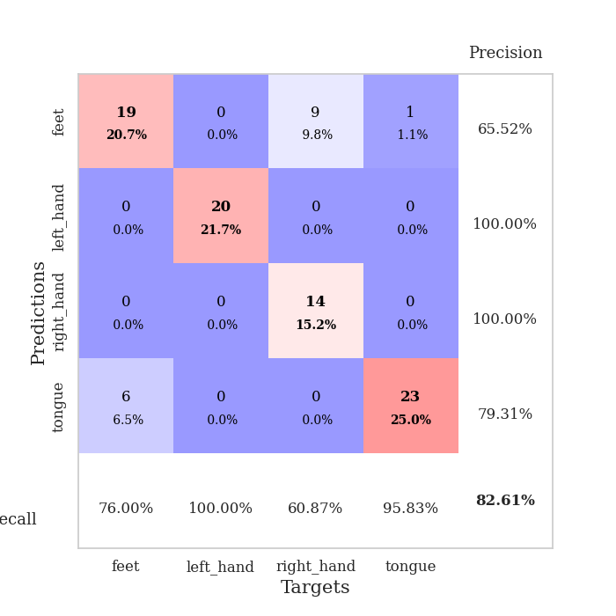
train_loss | valid_loss | train_accuracy | valid_accuracy | dur | train_misclass | valid_misclass
122.65366859 | 63.287697004 | 0.2527173913 | 0.26086956522 | 0.03982257843 | 25.27173913 | 26.086956522
46.251123428 | 17.476127044 | 0.25 | 0.25 | 0.037417173386 | 25 | 25
33.951559067 | 7.9713292537 | 0.24184782609 | 0.27173913043 | 0.038502693176 | 24.184782609 | 27.173913043
17.983084297 | 15.244252163 | 0.25543478261 | 0.21739130435 | 0.038849830627 | 25.543478261 | 21.739130435
15.193818855 | 14.589028358 | 0.25543478261 | 0.21739130435 | 0.037677764893 | 25.543478261 | 21.739130435
9.5187757492 | 6.6432314126 | 0.25543478261 | 0.21739130435 | 0.038904666901 | 25.543478261 | 21.739130435
6.6967375755 | 2.9508726804 | 0.2527173913 | 0.26086956522 | 0.038954257965 | 25.27173913 | 26.086956522
4.7833977222 | 9.2333912227 | 0.2527173913 | 0.26086956522 | 0.038667440414 | 25.27173913 | 26.086956522
4.0090270519 | 10.626025407 | 0.2527173913 | 0.26086956522 | 0.038988113403 | 25.27173913 | 26.086956522
3.7465611935 | 7.3733759341 | 0.2527173913 | 0.26086956522 | 0.039569854736 | 25.27173913 | 26.086956522
3.3419087887 | 9.4879055023 | 0.2527173913 | 0.26086956522 | 0.041357517242 | 25.27173913 | 26.086956522
3.5747764111 | 7.1310392877 | 0.2527173913 | 0.26086956522 | 0.039562940598 | 25.27173913 | 26.086956522
3.3401324272 | 18.88790736 | 0.2527173913 | 0.26086956522 | 0.037608861923 | 25.27173913 | 26.086956522
3.6864308357 | 4.1184335584 | 0.24184782609 | 0.27173913043 | 0.038896560669 | 24.184782609 | 27.173913043
3.3736308098 | 11.466253239 | 0.2527173913 | 0.26086956522 | 0.038031101227 | 25.27173913 | 26.086956522
4.1102293015 | 35.818755938 | 0.2527173913 | 0.26086956522 | 0.037858963013 | 25.27173913 | 26.086956522
3.7903316975 | 37.986406575 | 0.2527173913 | 0.26086956522 | 0.037738800049 | 25.27173913 | 26.086956522
3.1591090202 | 41.703652258 | 0.2527173913 | 0.26086956522 | 0.038323640823 | 25.27173913 | 26.086956522
2.7737924814 | 45.399457517 | 0.2527173913 | 0.26086956522 | 0.03875875473 | 25.27173913 | 26.086956522
3.0212772846 | 6.2325399855 | 0.50815217391 | 0.47826086957 | 0.039275407791 | 50.815217391 | 47.826086957
2.5042668819 | 48.013209136 | 0.2527173913 | 0.26086956522 | 0.03879404068 | 25.27173913 | 26.086956522
2.2331513166 | 41.279228376 | 0.2527173913 | 0.26086956522 | 0.037811756134 | 25.27173913 | 26.086956522
2.6699648619 | 55.287429312 | 0.2527173913 | 0.26086956522 | 0.037710905075 | 25.27173913 | 26.086956522
2.1416884661 | 42.137717371 | 0.2527173913 | 0.26086956522 | 0.037763118744 | 25.27173913 | 26.086956522
2.1055799007 | 47.391726452 | 0.2527173913 | 0.26086956522 | 0.038140535355 | 25.27173913 | 26.086956522
1.8789116621 | 57.671738334 | 0.2527173913 | 0.26086956522 | 0.037921905518 | 25.27173913 | 26.086956522
2.3309084415 | 46.658837692 | 0.2527173913 | 0.26086956522 | 0.037880182266 | 25.27173913 | 26.086956522
1.8418862343 | 60.395611804 | 0.2527173913 | 0.26086956522 | 0.037959098816 | 25.27173913 | 26.086956522
1.53417418 | 63.771764009 | 0.2527173913 | 0.26086956522 | 0.037568569183 | 25.27173913 | 26.086956522
2.0164304495 | 55.112769085 | 0.2527173913 | 0.26086956522 | 0.038274526596 | 25.27173913 | 26.086956522
2.0019318819 | 47.570370052 | 0.2527173913 | 0.26086956522 | 0.038011550903 | 25.27173913 | 26.086956522
1.7580303192 | 18.072300869 | 0.2527173913 | 0.26086956522 | 0.038513898849 | 25.27173913 | 26.086956522
2.1104923487 | 20.71269309 | 0.2527173913 | 0.26086956522 | 0.037754535675 | 25.27173913 | 26.086956522
1.668645215 | 20.351556944 | 0.2527173913 | 0.26086956522 | 0.038680553436 | 25.27173913 | 26.086956522
1.4733768702 | 3.0183292576 | 0.26358695652 | 0.26086956522 | 0.038101911545 | 26.358695652 | 26.086956522
1.857207036 | 16.256925044 | 0.2527173913 | 0.26086956522 | 0.037847757339 | 25.27173913 | 26.086956522
1.6553509951 | 33.081711396 | 0.2527173913 | 0.26086956522 | 0.038300275803 | 25.27173913 | 26.086956522
1.6859703064 | 26.611696243 | 0.2527173913 | 0.26086956522 | 0.039397001266 | 25.27173913 | 26.086956522
1.73362813 | 22.70243255 | 0.2527173913 | 0.26086956522 | 0.038647413254 | 25.27173913 | 26.086956522
1.7020457625 | 2.3080645333 | 0.51902173913 | 0.5 | 0.03838300705 | 51.902173913 | 50
1.5078230858 | 0.44259996647 | 0.84782608696 | 0.82608695652 | 0.040071249008 | 84.782608696 | 82.608695652
1.7793457747 | 4.9973583014 | 0.50815217391 | 0.47826086957 | 0.039076805115 | 50.815217391 | 47.826086957
1.1611405849 | 16.633673544 | 0.2527173913 | 0.26086956522 | 0.044795036316 | 25.27173913 | 26.086956522
1.4335162401 | 14.016373593 | 0.2527173913 | 0.26086956522 | 0.034984588623 | 25.27173913 | 26.086956522
1.5419207573 | 11.963371277 | 0.2527173913 | 0.26086956522 | 0.034855365753 | 25.27173913 | 26.086956522
1.6582562923 | 5.9215496105 | 0.50815217391 | 0.47826086957 | 0.035399436951 | 50.815217391 | 47.826086957
1.3914234161 | 2.4339445052 | 0.50815217391 | 0.47826086957 | 0.034979581833 | 50.815217391 | 47.826086957
1.5044846535 | 1.1462759764 | 0.73369565217 | 0.6847826087 | 0.035295963287 | 73.369565217 | 68.47826087
1.4513020635 | 0.65940328785 | 0.82336956522 | 0.76086956522 | 0.03524518013 | 82.336956522 | 76.086956522
1.3992180824 | 0.50512402213 | 0.86956521739 | 0.82608695652 | 0.035226345062 | 86.956521739 | 82.608695652

Best Val accuracy is 0.8260869565217391 and Best test accuracy is 0.7672413793103449

Sheet3
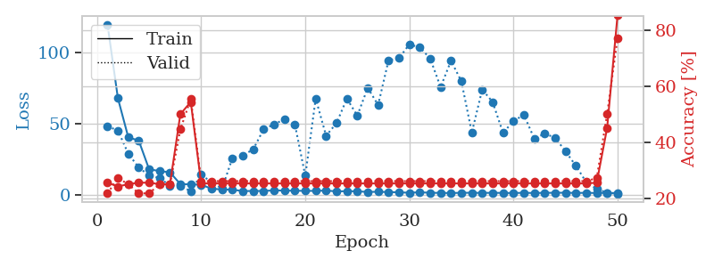
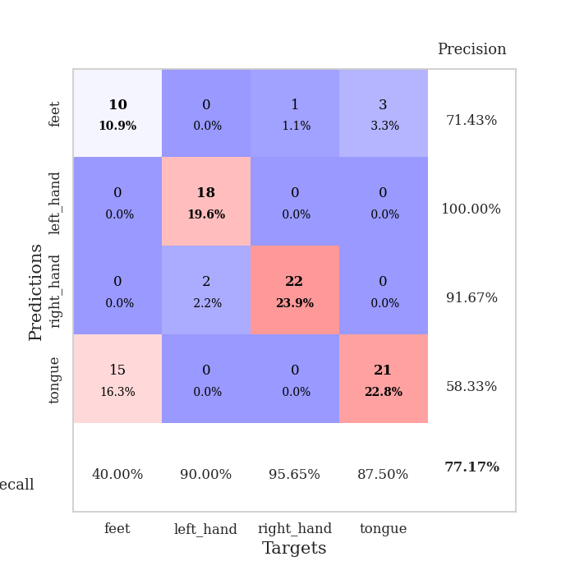
train_loss | valid_loss | train_accuracy | valid_accuracy | dur | train_misclass | valid_misclass
119.71719742 | 47.978911358 | 0.25543478261 | 0.21739130435 | 0.037844657898 | 25.543478261 | 21.739130435
67.758339691 | 45.133500307 | 0.24184782609 | 0.27173913043 | 0.036285400391 | 24.184782609 | 27.173913043
40.220043564 | 28.62568026 | 0.25 | 0.25 | 0.03586935997 | 25 | 25
38.004345322 | 19.110056919 | 0.25543478261 | 0.21739130435 | 0.037149906158 | 25.543478261 | 21.739130435
17.757591438 | 13.307318646 | 0.25543478261 | 0.21739130435 | 0.034831523895 | 25.543478261 | 21.739130435
16.543179703 | 11.69813832 | 0.25 | 0.25 | 0.035694360733 | 25 | 25
15.628013611 | 6.2143120558 | 0.25 | 0.25 | 0.03581905365 | 25 | 25
7.3312887192 | 5.8874763199 | 0.5 | 0.44565217391 | 0.035018205643 | 50 | 44.565217391
7.1803747654 | 2.4295267229 | 0.54347826087 | 0.55434782609 | 0.035578966141 | 54.347826087 | 55.434782609
6.8836405754 | 13.965281279 | 0.2527173913 | 0.26086956522 | 0.035982847214 | 25.27173913 | 26.086956522
4.1186419964 | 8.6158970543 | 0.2527173913 | 0.26086956522 | 0.035386562347 | 25.27173913 | 26.086956522
3.5584619045 | 4.1695643093 | 0.2527173913 | 0.26086956522 | 0.035348653793 | 25.27173913 | 26.086956522
3.4249907494 | 25.624879837 | 0.2527173913 | 0.26086956522 | 0.035353422165 | 25.27173913 | 26.086956522
2.3990280628 | 27.439450969 | 0.2527173913 | 0.26086956522 | 0.035395860672 | 25.27173913 | 26.086956522
2.5245803833 | 31.866486674 | 0.2527173913 | 0.26086956522 | 0.035303115845 | 25.27173913 | 26.086956522
2.4926531315 | 45.934683095 | 0.2527173913 | 0.26086956522 | 0.035228490829 | 25.27173913 | 26.086956522
2.9359773636 | 49.519332388 | 0.2527173913 | 0.26086956522 | 0.035699129105 | 25.27173913 | 26.086956522
2.7597873688 | 52.888274317 | 0.2527173913 | 0.26086956522 | 0.035210609436 | 25.27173913 | 26.086956522
2.7103783131 | 49.484564906 | 0.2527173913 | 0.26086956522 | 0.035589933395 | 25.27173913 | 26.086956522
2.5522451401 | 13.200566872 | 0.2527173913 | 0.26086956522 | 0.035974025726 | 25.27173913 | 26.086956522
2.5805894136 | 67.550460815 | 0.2527173913 | 0.26086956522 | 0.035374164581 | 25.27173913 | 26.086956522
2.8209246159 | 41.38684845 | 0.2527173913 | 0.26086956522 | 0.037090301514 | 25.27173913 | 26.086956522
2.1993742466 | 50.213704317 | 0.2527173913 | 0.26086956522 | 0.036101818085 | 25.27173913 | 26.086956522
2.3812131882 | 67.519993326 | 0.2527173913 | 0.26086956522 | 0.035614728928 | 25.27173913 | 26.086956522
2.2547307968 | 55.47039712 | 0.2527173913 | 0.26086956522 | 0.035644769669 | 25.27173913 | 26.086956522
1.8094618559 | 75.139533333 | 0.2527173913 | 0.26086956522 | 0.035671710968 | 25.27173913 | 26.086956522
1.936696434 | 63.020326863 | 0.2527173913 | 0.26086956522 | 0.036053657532 | 25.27173913 | 26.086956522
1.7236330986 | 94.532014598 | 0.2527173913 | 0.26086956522 | 0.035748720169 | 25.27173913 | 26.086956522
1.5564228296 | 95.946767061 | 0.2527173913 | 0.26086956522 | 0.035638570786 | 25.27173913 | 26.086956522
1.2485942364 | 105.76433829 | 0.2527173913 | 0.26086956522 | 0.036352157593 | 25.27173913 | 26.086956522
1.6100034237 | 103.5370981 | 0.2527173913 | 0.26086956522 | 0.03568983078 | 25.27173913 | 26.086956522
1.2136016965 | 95.822832854 | 0.2527173913 | 0.26086956522 | 0.035967826843 | 25.27173913 | 26.086956522
1.1726346374 | 75.611400438 | 0.2527173913 | 0.26086956522 | 0.036275863647 | 25.27173913 | 26.086956522
1.0278802514 | 94.173308331 | 0.2527173913 | 0.26086956522 | 0.035661935806 | 25.27173913 | 26.086956522
1.2291009665 | 79.682812898 | 0.2527173913 | 0.26086956522 | 0.035326242447 | 25.27173913 | 26.086956522
1.2238592982 | 43.587952655 | 0.2527173913 | 0.26086956522 | 0.035399675369 | 25.27173913 | 26.086956522
1.1391112328 | 73.909724028 | 0.2527173913 | 0.26086956522 | 0.035346984863 | 25.27173913 | 26.086956522
1.2113468409 | 65.16543264 | 0.2527173913 | 0.26086956522 | 0.036104917526 | 25.27173913 | 26.086956522
1.1319178104 | 43.363676154 | 0.2527173913 | 0.26086956522 | 0.035644292831 | 25.27173913 | 26.086956522
1.0591525078 | 51.742947288 | 0.2527173913 | 0.26086956522 | 0.035712003708 | 25.27173913 | 26.086956522
1.2204129219 | 56.092054782 | 0.2527173913 | 0.26086956522 | 0.035391807556 | 25.27173913 | 26.086956522
1.0611757636 | 39.375817009 | 0.2527173913 | 0.26086956522 | 0.035330057144 | 25.27173913 | 26.086956522
1.2009211779 | 42.867915444 | 0.2527173913 | 0.26086956522 | 0.036065578461 | 25.27173913 | 26.086956522
1.2080945015 | 40.041035859 | 0.2527173913 | 0.26086956522 | 0.035285234451 | 25.27173913 | 26.086956522
1.2851115108 | 30.436224315 | 0.2527173913 | 0.26086956522 | 0.035290241241 | 25.27173913 | 26.086956522
1.1101500988 | 20.192016767 | 0.2527173913 | 0.26086956522 | 0.035771846771 | 25.27173913 | 26.086956522
1.2035530567 | 8.5780428182 | 0.2527173913 | 0.26086956522 | 0.035878896713 | 25.27173913 | 26.086956522
1.0690959334 | 3.9677084736 | 0.25543478261 | 0.27173913043 | 0.035383939743 | 25.543478261 | 27.173913043
1.1773750186 | 1.2790251711 | 0.45108695652 | 0.5 | 0.035234451294 | 45.108695652 | 50
1.021972394 | 0.51467902505 | 0.85326086957 | 0.77173913043 | 0.035410642624 | 85.326086957 | 77.173913043

Best Val accuracy is 0.7717391304347826 and Best test accuracy is 0.8275862068965517

Sheet4
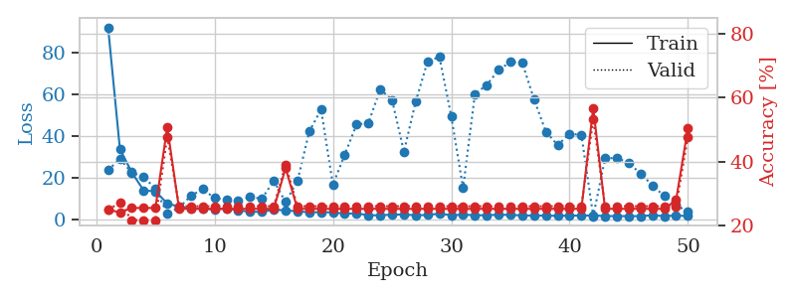
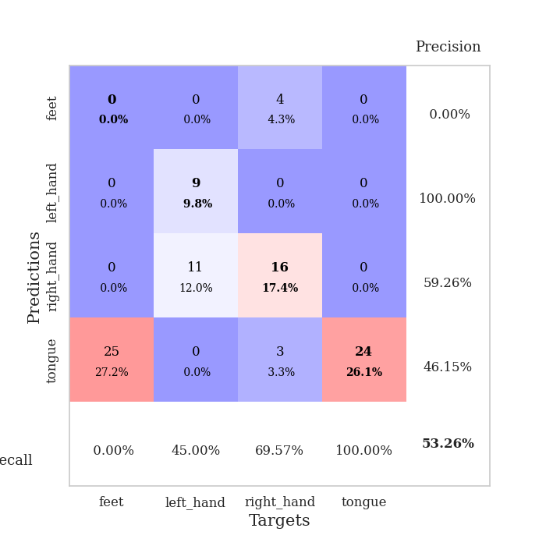
train_loss | valid_loss | train_accuracy | valid_accuracy | dur | train_misclass | valid_misclass
92.059448624 | 23.552942691 | 0.25 | 0.25 | 0.038387537003 | 25 | 25
33.601408005 | 28.989681659 | 0.24184782609 | 0.27173913043 | 0.036952495575 | 24.184782609 | 27.173913043
22.545470047 | 22.311605868 | 0.25543478261 | 0.21739130435 | 0.037350654602 | 25.543478261 | 21.739130435
13.86919775 | 20.511768507 | 0.25543478261 | 0.21739130435 | 0.037005662918 | 25.543478261 | 21.739130435
13.39214592 | 14.5285805 | 0.25543478261 | 0.21739130435 | 0.036814212799 | 25.543478261 | 21.739130435
7.6514225006 | 2.8316065436 | 0.50815217391 | 0.47826086957 | 0.036695480347 | 50.815217391 | 47.826086957
5.9879378796 | 5.4905010306 | 0.2527173913 | 0.26086956522 | 0.036182165146 | 25.27173913 | 26.086956522
5.1122749329 | 11.302353652 | 0.2527173913 | 0.26086956522 | 0.037141561508 | 25.27173913 | 26.086956522
5.2146470547 | 14.461725442 | 0.2527173913 | 0.26086956522 | 0.037202596664 | 25.27173913 | 26.086956522
4.6439587593 | 10.138531934 | 0.2527173913 | 0.26086956522 | 0.037305116653 | 25.27173913 | 26.086956522
5.3152180195 | 9.5525611795 | 0.2527173913 | 0.26086956522 | 0.036854743958 | 25.27173913 | 26.086956522
4.2355117798 | 8.970048241 | 0.2527173913 | 0.26086956522 | 0.037933349609 | 25.27173913 | 26.086956522
3.6408068657 | 10.642312838 | 0.2527173913 | 0.26086956522 | 0.037121295929 | 25.27173913 | 26.086956522
3.5469544411 | 9.9289918153 | 0.2527173913 | 0.26086956522 | 0.035894155502 | 25.27173913 | 26.086956522
4.6737539768 | 18.50492353 | 0.2527173913 | 0.26086956522 | 0.03621840477 | 25.27173913 | 26.086956522
4.2219195604 | 8.2406592576 | 0.38043478261 | 0.39130434783 | 0.036390542984 | 38.043478261 | 39.130434783
3.8758381844 | 18.32424736 | 0.2527173913 | 0.26086956522 | 0.036000967026 | 25.27173913 | 26.086956522
3.3325719833 | 42.070341691 | 0.2527173913 | 0.26086956522 | 0.036146640778 | 25.27173913 | 26.086956522
3.4329375267 | 52.642962414 | 0.2527173913 | 0.26086956522 | 0.036807060242 | 25.27173913 | 26.086956522
3.3258257866 | 16.573003893 | 0.2527173913 | 0.26086956522 | 0.036350727081 | 25.27173913 | 26.086956522
2.7019530773 | 31.042654369 | 0.2527173913 | 0.26086956522 | 0.036197185516 | 25.27173913 | 26.086956522
2.8547532558 | 45.452855152 | 0.2527173913 | 0.26086956522 | 0.036691665649 | 25.27173913 | 26.086956522
1.94551332 | 46.149393994 | 0.2527173913 | 0.26086956522 | 0.035739421844 | 25.27173913 | 26.086956522
1.9061222076 | 62.385085064 | 0.2527173913 | 0.26086956522 | 0.035861492157 | 25.27173913 | 26.086956522
2.239517498 | 57.225639012 | 0.2527173913 | 0.26086956522 | 0.036326169968 | 25.27173913 | 26.086956522
2.2945177078 | 32.391537459 | 0.2527173913 | 0.26086956522 | 0.0364112854 | 25.27173913 | 26.086956522
1.9120993614 | 56.53723725 | 0.2527173913 | 0.26086956522 | 0.03977227211 | 25.27173913 | 26.086956522
2.067060709 | 75.742342078 | 0.2527173913 | 0.26086956522 | 0.036353349686 | 25.27173913 | 26.086956522
2.7106575012 | 77.865363411 | 0.2527173913 | 0.26086956522 | 0.036823511124 | 25.27173913 | 26.086956522
1.9277854443 | 49.380758534 | 0.2527173913 | 0.26086956522 | 0.036079645157 | 25.27173913 | 26.086956522
2.2261071205 | 14.94435016 | 0.2527173913 | 0.26086956522 | 0.03599524498 | 25.27173913 | 26.086956522
1.9532506704 | 60.037751903 | 0.2527173913 | 0.26086956522 | 0.036848545074 | 25.27173913 | 26.086956522
1.9243455648 | 64.409292636 | 0.2527173913 | 0.26086956522 | 0.036759138107 | 25.27173913 | 26.086956522
2.2097579002 | 71.59255517 | 0.2527173913 | 0.26086956522 | 0.036722660065 | 25.27173913 | 26.086956522
2.086785078 | 75.431584234 | 0.2527173913 | 0.26086956522 | 0.036355733871 | 25.27173913 | 26.086956522
1.8718621969 | 75.065051867 | 0.2527173913 | 0.26086956522 | 0.036887168884 | 25.27173913 | 26.086956522
1.6934737444 | 57.509923852 | 0.2527173913 | 0.26086956522 | 0.036263942719 | 25.27173913 | 26.086956522
1.8028597593 | 41.932387642 | 0.2527173913 | 0.26086956522 | 0.036261081696 | 25.27173913 | 26.086956522
1.6134080172 | 35.584824438 | 0.2527173913 | 0.26086956522 | 0.036866664886 | 25.27173913 | 26.086956522
1.7918772936 | 41.031036709 | 0.2527173913 | 0.26086956522 | 0.036647796631 | 25.27173913 | 26.086956522
1.7363740683 | 40.456194007 | 0.2527173913 | 0.26086956522 | 0.036291599274 | 25.27173913 | 26.086956522
1.8653209448 | 1.4355220328 | 0.56793478261 | 0.53260869565 | 0.037069559097 | 56.793478261 | 53.260869565
1.5275933027 | 29.270255877 | 0.2527173913 | 0.26086956522 | 0.03685760498 | 25.27173913 | 26.086956522
1.5436318874 | 29.378573791 | 0.2527173913 | 0.26086956522 | 0.037312269211 | 25.27173913 | 26.086956522
1.5111913681 | 27.034703545 | 0.2527173913 | 0.26086956522 | 0.03674530983 | 25.27173913 | 26.086956522
1.5157360554 | 21.900415669 | 0.2527173913 | 0.26086956522 | 0.036675930023 | 25.27173913 | 26.086956522
1.9300362825 | 16.252313987 | 0.2527173913 | 0.26086956522 | 0.03670334816 | 25.27173913 | 26.086956522
1.5407893896 | 11.138953955 | 0.2527173913 | 0.26086956522 | 0.037006139755 | 25.27173913 | 26.086956522
1.7880233765 | 6.9499316008 | 0.27989130435 | 0.26086956522 | 0.036936998367 | 27.989130435 | 26.086956522
1.5652553082 | 3.483949568 | 0.50543478261 | 0.47826086957 | 0.036963701248 | 50.543478261 | 47.826086957

Best Val accuracy is 0.532608695652174 and Best test accuracy is 0.49137931034482757

Sheet5
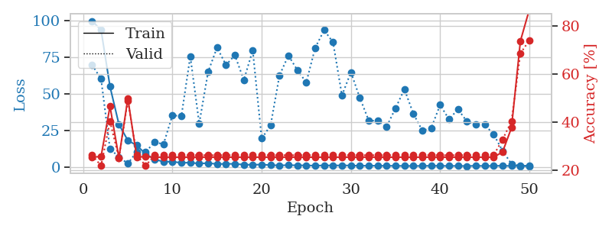
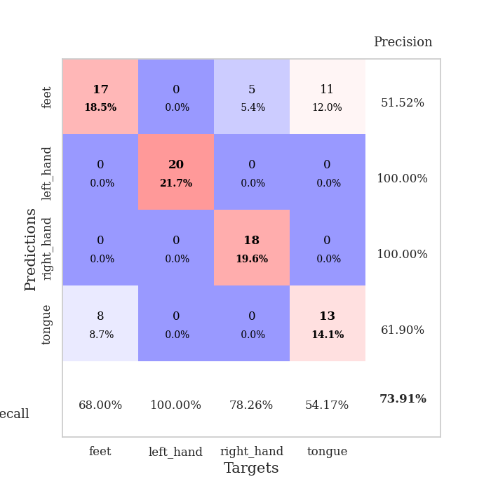
train_loss | valid_loss | train_accuracy | valid_accuracy | dur | train_misclass | valid_misclass
99.722491455 | 69.731534875 | 0.2527173913 | 0.26086956522 | 0.037793636322 | 25.27173913 | 26.086956522
93.585327148 | 60.133498482 | 0.25543478261 | 0.21739130435 | 0.036268472672 | 25.543478261 | 21.739130435
55.007701874 | 12.361606391 | 0.46467391304 | 0.40217391304 | 0.035792350769 | 46.467391304 | 40.217391304
29.155261993 | 6.9236355243 | 0.25 | 0.25 | 0.035647630692 | 25 | 25
18.185818863 | 2.3425938461 | 0.4972826087 | 0.48913043478 | 0.035416841507 | 49.72826087 | 48.913043478
14.789066505 | 10.445505515 | 0.2527173913 | 0.26086956522 | 0.035618543625 | 25.27173913 | 26.086956522
8.9138152122 | 10.37595326 | 0.25543478261 | 0.21739130435 | 0.036520242691 | 25.543478261 | 21.739130435
5.2329625607 | 17.01265617 | 0.2527173913 | 0.26086956522 | 0.036816358566 | 25.27173913 | 26.086956522
3.6580772877 | 15.615220028 | 0.2527173913 | 0.26086956522 | 0.035324335098 | 25.27173913 | 26.086956522
3.6882872581 | 35.410718337 | 0.2527173913 | 0.26086956522 | 0.036079406738 | 25.27173913 | 26.086956522
2.8611114025 | 34.658933059 | 0.2527173913 | 0.26086956522 | 0.035499572754 | 25.27173913 | 26.086956522
3.0559133291 | 75.590974891 | 0.2527173913 | 0.26086956522 | 0.035556316376 | 25.27173913 | 26.086956522
2.3407140255 | 29.710893465 | 0.2527173913 | 0.26086956522 | 0.035923957825 | 25.27173913 | 26.086956522
2.7323858738 | 65.033177583 | 0.2527173913 | 0.26086956522 | 0.035638809204 | 25.27173913 | 26.086956522
2.0280470371 | 81.631948388 | 0.2527173913 | 0.26086956522 | 0.036057949066 | 25.27173913 | 26.086956522
2.2117684603 | 69.68873165 | 0.2527173913 | 0.26086956522 | 0.03595995903 | 25.27173913 | 26.086956522
2.1616405725 | 76.338557036 | 0.2527173913 | 0.26086956522 | 0.03625202179 | 25.27173913 | 26.086956522
1.6569108486 | 59.441069064 | 0.2527173913 | 0.26086956522 | 0.036184549332 | 25.27173913 | 26.086956522
1.5620059013 | 79.723333276 | 0.2527173913 | 0.26086956522 | 0.035833597183 | 25.27173913 | 26.086956522
1.7253767967 | 19.492510422 | 0.2527173913 | 0.26086956522 | 0.035839319229 | 25.27173913 | 26.086956522
1.3214888334 | 28.380616727 | 0.2527173913 | 0.26086956522 | 0.036496162415 | 25.27173913 | 26.086956522
1.1189522386 | 62.655578116 | 0.2527173913 | 0.26086956522 | 0.035811901093 | 25.27173913 | 26.086956522
1.2928885698 | 76.173154085 | 0.2527173913 | 0.26086956522 | 0.036619901657 | 25.27173913 | 26.086956522
1.1728716135 | 66.204266424 | 0.2527173913 | 0.26086956522 | 0.036016464233 | 25.27173913 | 26.086956522
1.1186999559 | 57.815160337 | 0.2527173913 | 0.26086956522 | 0.036046743393 | 25.27173913 | 26.086956522
0.93368215561 | 81.42243858 | 0.2527173913 | 0.26086956522 | 0.036278009415 | 25.27173913 | 26.086956522
1.1079611301 | 93.477456798 | 0.2527173913 | 0.26086956522 | 0.035749435425 | 25.27173913 | 26.086956522
1.0738251209 | 85.214687182 | 0.2527173913 | 0.26086956522 | 0.035846710205 | 25.27173913 | 26.086956522
1.1105381131 | 48.936241647 | 0.2527173913 | 0.26086956522 | 0.035318613052 | 25.27173913 | 26.086956522
1.0538192034 | 64.741667872 | 0.2527173913 | 0.26086956522 | 0.034917354584 | 25.27173913 | 26.086956522
0.84894645214 | 47.358740599 | 0.2527173913 | 0.26086956522 | 0.034867048264 | 25.27173913 | 26.086956522
0.9258081913 | 31.795254832 | 0.2527173913 | 0.26086956522 | 0.036005496979 | 25.27173913 | 26.086956522
0.86895890236 | 31.519777547 | 0.2527173913 | 0.26086956522 | 0.035697221756 | 25.27173913 | 26.086956522
0.85306059122 | 27.501761229 | 0.2527173913 | 0.26086956522 | 0.035339355469 | 25.27173913 | 26.086956522
0.81585401297 | 40.125405519 | 0.2527173913 | 0.26086956522 | 0.035472154617 | 25.27173913 | 26.086956522
0.7788797617 | 53.135106294 | 0.2527173913 | 0.26086956522 | 0.036169052124 | 25.27173913 | 26.086956522
0.71552138925 | 36.449308312 | 0.2527173913 | 0.26086956522 | 0.035379171371 | 25.27173913 | 26.086956522
0.80853505135 | 24.986704121 | 0.2527173913 | 0.26086956522 | 0.035604000092 | 25.27173913 | 26.086956522
0.83692606688 | 26.494842944 | 0.2527173913 | 0.26086956522 | 0.035470962524 | 25.27173913 | 26.086956522
0.8489492774 | 42.422573421 | 0.2527173913 | 0.26086956522 | 0.035141706467 | 25.27173913 | 26.086956522
0.74349509478 | 32.575181546 | 0.2527173913 | 0.26086956522 | 0.03546833992 | 25.27173913 | 26.086956522
0.80090667009 | 39.472131149 | 0.2527173913 | 0.26086956522 | 0.035058259964 | 25.27173913 | 26.086956522
0.69202564955 | 31.16289512 | 0.2527173913 | 0.26086956522 | 0.036468505859 | 25.27173913 | 26.086956522
0.85907851458 | 29.136982876 | 0.2527173913 | 0.26086956522 | 0.034887075424 | 25.27173913 | 26.086956522
0.73850764036 | 28.952901508 | 0.2527173913 | 0.26086956522 | 0.03489112854 | 25.27173913 | 26.086956522
0.79015673399 | 22.328234051 | 0.2527173913 | 0.26086956522 | 0.035696268082 | 25.27173913 | 26.086956522
0.89739335775 | 11.109789185 | 0.27445652174 | 0.32608695652 | 0.0354616642 | 27.445652174 | 32.608695652
0.72874302864 | 2.1652931441 | 0.375 | 0.40217391304 | 0.035640954971 | 37.5 | 40.217391304
0.86756260395 | 0.67882924235 | 0.73641304348 | 0.6847826087 | 0.035701990128 | 73.641304348 | 68.47826087
0.91377177238 | 0.57453367244 | 0.86684782609 | 0.73913043478 | 0.035396337509 | 86.684782609 | 73.913043478

Best Val accuracy is 0.7391304347826086 and Best test accuracy is 0.8103448275862069

Sheet6
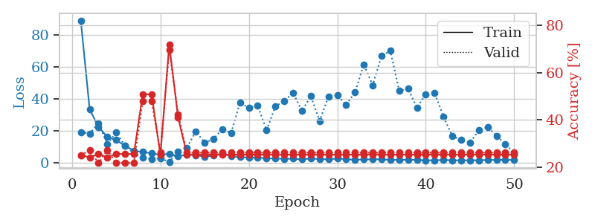
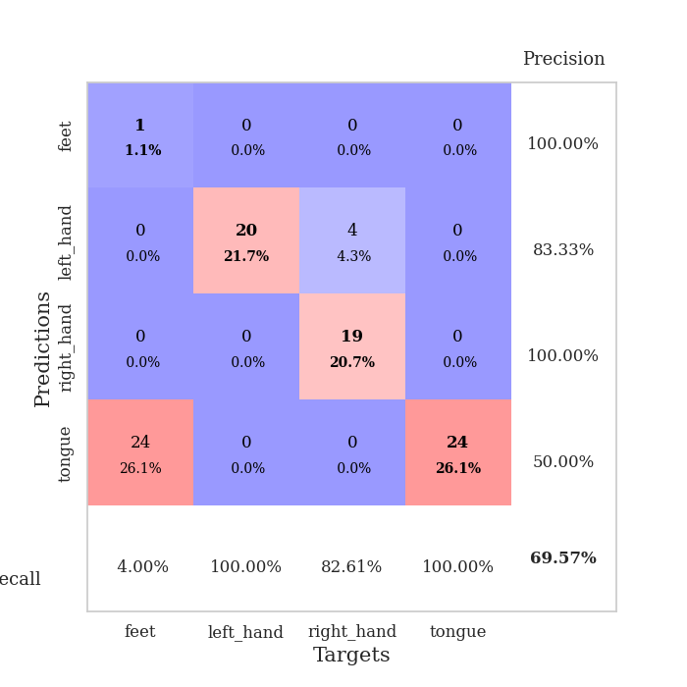
train_loss | valid_loss | train_accuracy | valid_accuracy | dur | train_misclass | valid_misclass
88.902339554 | 19.137123274 | 0.25 | 0.25 | 0.038153648376 | 25 | 25
33.262995529 | 18.19821648 | 0.24184782609 | 0.27173913043 | 0.036168336868 | 24.184782609 | 27.173913043
22.397484589 | 24.719768358 | 0.25543478261 | 0.21739130435 | 0.037577390671 | 25.543478261 | 21.739130435
16.052741432 | 11.762052329 | 0.24184782609 | 0.27173913043 | 0.036303281784 | 24.184782609 | 27.173913043
14.129805946 | 18.788882878 | 0.25543478261 | 0.21739130435 | 0.036482334137 | 25.543478261 | 21.739130435
10.594739723 | 10.729908943 | 0.25543478261 | 0.21739130435 | 0.036338567734 | 25.543478261 | 21.739130435
7.4457279205 | 5.8754734993 | 0.25543478261 | 0.21739130435 | 0.036113262177 | 25.543478261 | 21.739130435
6.7079363823 | 3.0920380613 | 0.50815217391 | 0.47826086957 | 0.036926746368 | 50.815217391 | 47.826086957
5.9100811005 | 2.4777972491 | 0.50815217391 | 0.47826086957 | 0.037611246109 | 50.815217391 | 47.826086957
4.8731223583 | 2.7337924812 | 0.2527173913 | 0.26086956522 | 0.037137269974 | 25.27173913 | 26.086956522
5.6114857674 | 0.54038073965 | 0.71739130435 | 0.69565217391 | 0.036287546158 | 71.739130435 | 69.565217391
4.0372094154 | 6.9400723706 | 0.41032608696 | 0.42391304348 | 0.037046670914 | 41.032608696 | 42.391304348
5.0141176701 | 9.3181064025 | 0.2527173913 | 0.26086956522 | 0.038976430893 | 25.27173913 | 26.086956522
4.8183302402 | 19.691701557 | 0.2527173913 | 0.26086956522 | 0.035836935043 | 25.27173913 | 26.086956522
3.770604372 | 12.409906553 | 0.2527173913 | 0.26086956522 | 0.03687620163 | 25.27173913 | 26.086956522
4.4801836967 | 14.848406045 | 0.2527173913 | 0.26086956522 | 0.036536216736 | 25.27173913 | 26.086956522
5.774155426 | 21.05515762 | 0.2527173913 | 0.26086956522 | 0.037187337875 | 25.27173913 | 26.086956522
4.077910471 | 18.582216097 | 0.2527173913 | 0.26086956522 | 0.036069154739 | 25.27173913 | 26.086956522
3.5359895229 | 37.640186476 | 0.2527173913 | 0.26086956522 | 0.035804986954 | 25.27173913 | 26.086956522
3.201600337 | 34.100920636 | 0.2527173913 | 0.26086956522 | 0.036644935608 | 25.27173913 | 26.086956522
3.1662360191 | 35.852037347 | 0.2527173913 | 0.26086956522 | 0.036711454391 | 25.27173913 | 26.086956522
2.7531313896 | 20.246957696 | 0.2527173913 | 0.26086956522 | 0.036433458328 | 25.27173913 | 26.086956522
2.6781890392 | 35.208123912 | 0.2527173913 | 0.26086956522 | 0.036213636398 | 25.27173913 | 26.086956522
2.4110743761 | 38.597514277 | 0.2527173913 | 0.26086956522 | 0.037612199783 | 25.27173913 | 26.086956522
2.5156411409 | 43.674558391 | 0.2527173913 | 0.26086956522 | 0.036203861237 | 25.27173913 | 26.086956522
2.0890582561 | 32.36020055 | 0.2527173913 | 0.26086956522 | 0.036817550659 | 25.27173913 | 26.086956522
2.6654902697 | 41.666817872 | 0.2527173913 | 0.26086956522 | 0.036817550659 | 25.27173913 | 26.086956522
2.2806834221 | 26.184216043 | 0.2527173913 | 0.26086956522 | 0.036987066269 | 25.27173913 | 26.086956522
2.074790597 | 41.442098369 | 0.2527173913 | 0.26086956522 | 0.035932779312 | 25.27173913 | 26.086956522
2.608246851 | 42.156461467 | 0.2527173913 | 0.26086956522 | 0.036662340164 | 25.27173913 | 26.086956522
2.2397889137 | 36.102314327 | 0.2527173913 | 0.26086956522 | 0.036023378372 | 25.27173913 | 26.086956522
1.8173311234 | 43.976510919 | 0.2527173913 | 0.26086956522 | 0.03578877449 | 25.27173913 | 26.086956522
2.0812727213 | 61.429478023 | 0.2527173913 | 0.26086956522 | 0.037583827972 | 25.27173913 | 26.086956522
2.0723415852 | 48.437372125 | 0.2527173913 | 0.26086956522 | 0.035218715668 | 25.27173913 | 26.086956522
2.1675875664 | 66.765783559 | 0.2527173913 | 0.26086956522 | 0.034864187241 | 25.27173913 | 26.086956522
1.753745532 | 69.987578351 | 0.2527173913 | 0.26086956522 | 0.03507065773 | 25.27173913 | 26.086956522
1.7490877151 | 44.896781092 | 0.2527173913 | 0.26086956522 | 0.037404298782 | 25.27173913 | 26.086956522
1.9144578457 | 46.405087347 | 0.2527173913 | 0.26086956522 | 0.037262916565 | 25.27173913 | 26.086956522
1.7776731253 | 34.387259442 | 0.2527173913 | 0.26086956522 | 0.036662101746 | 25.27173913 | 26.086956522
1.4504377484 | 42.692829132 | 0.2527173913 | 0.26086956522 | 0.036412715912 | 25.27173913 | 26.086956522
1.5645212889 | 43.648464369 | 0.2527173913 | 0.26086956522 | 0.036425113678 | 25.27173913 | 26.086956522
1.6540331364 | 28.841289935 | 0.2527173913 | 0.26086956522 | 0.036375522614 | 25.27173913 | 26.086956522
1.5800477028 | 16.515233579 | 0.2527173913 | 0.26086956522 | 0.03915143013 | 25.27173913 | 26.086956522
1.4097874165 | 14.216248181 | 0.2527173913 | 0.26086956522 | 0.036004066467 | 25.27173913 | 26.086956522
1.5580573559 | 12.480512868 | 0.2527173913 | 0.26086956522 | 0.036556243896 | 25.27173913 | 26.086956522
1.5172649622 | 20.190176342 | 0.2527173913 | 0.26086956522 | 0.03622674942 | 25.27173913 | 26.086956522
1.7126907825 | 22.314211721 | 0.2527173913 | 0.26086956522 | 0.035379171371 | 25.27173913 | 26.086956522
1.7178971291 | 16.796967755 | 0.2527173913 | 0.26086956522 | 0.035884141922 | 25.27173913 | 26.086956522
1.9013705969 | 11.50553836 | 0.2527173913 | 0.26086956522 | 0.03563451767 | 25.27173913 | 26.086956522
1.6255787849 | 6.2019501147 | 0.2527173913 | 0.26086956522 | 0.035979986191 | 25.27173913 | 26.086956522

Best Val accuracy is 0.6956521739130435 and Best test accuracy is 0.6896551724137931

Sheet7
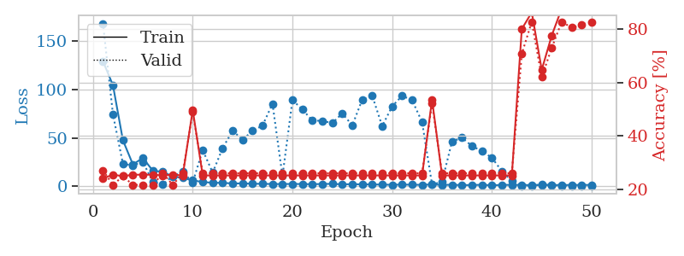
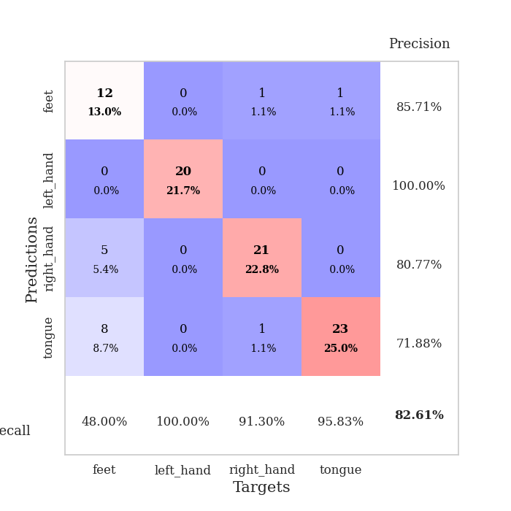
train_loss | valid_loss | train_accuracy | valid_accuracy | dur | train_misclass | valid_misclass
129.38043823 | 168.47414697 | 0.24184782609 | 0.27173913043 | 0.038458347321 | 24.184782609 | 27.173913043
104.52285767 | 74.371036364 | 0.25543478261 | 0.21739130435 | 0.03653717041 | 25.543478261 | 21.739130435
47.539655685 | 23.167160946 | 0.25 | 0.25 | 0.036438465118 | 25 | 25
22.557451248 | 21.578935872 | 0.25543478261 | 0.21739130435 | 0.0359416008 | 25.543478261 | 21.739130435
29.23364296 | 25.254114068 | 0.25543478261 | 0.21739130435 | 0.036067247391 | 25.543478261 | 21.739130435
16.087866402 | 4.2902092934 | 0.25543478261 | 0.21739130435 | 0.037312030792 | 25.543478261 | 21.739130435
14.897179413 | 1.8919548937 | 0.2527173913 | 0.26086956522 | 0.036839962006 | 25.27173913 | 26.086956522
10.091566849 | 10.602313208 | 0.25543478261 | 0.21739130435 | 0.037154197693 | 25.543478261 | 21.739130435
8.6532299042 | 14.88756781 | 0.2527173913 | 0.26086956522 | 0.035994768143 | 25.27173913 | 26.086956522
6.0226997852 | 3.792030604 | 0.4972826087 | 0.48913043478 | 0.03716468811 | 49.72826087 | 48.913043478
4.377265501 | 37.404498225 | 0.2527173913 | 0.26086956522 | 0.03860616684 | 25.27173913 | 26.086956522
3.5443175793 | 14.061053815 | 0.2527173913 | 0.26086956522 | 0.035706996918 | 25.27173913 | 26.086956522
3.4884471893 | 39.454577736 | 0.2527173913 | 0.26086956522 | 0.036874771118 | 25.27173913 | 26.086956522
2.8543330669 | 57.482249716 | 0.2527173913 | 0.26086956522 | 0.036282777786 | 25.27173913 | 26.086956522
2.9294523001 | 48.160095381 | 0.2527173913 | 0.26086956522 | 0.036587715149 | 25.27173913 | 26.086956522
2.5363218784 | 57.259841587 | 0.2527173913 | 0.26086956522 | 0.037443399429 | 25.27173913 | 26.086956522
2.4889024973 | 62.811701567 | 0.2527173913 | 0.26086956522 | 0.03656244278 | 25.27173913 | 26.086956522
2.2770450115 | 85.362581336 | 0.2527173913 | 0.26086956522 | 0.036169290543 | 25.27173913 | 26.086956522
2.2581097364 | 10.438966875 | 0.2527173913 | 0.26086956522 | 0.037672519684 | 25.27173913 | 26.086956522
2.3697809696 | 89.202862947 | 0.2527173913 | 0.26086956522 | 0.037057161331 | 25.27173913 | 26.086956522
2.2660448313 | 79.474568574 | 0.2527173913 | 0.26086956522 | 0.036503791809 | 25.27173913 | 26.086956522
2.0554846048 | 67.896788887 | 0.2527173913 | 0.26086956522 | 0.037293672562 | 25.27173913 | 26.086956522
2.3737793922 | 67.74246249 | 0.2527173913 | 0.26086956522 | 0.036857843399 | 25.27173913 | 26.086956522
2.4155791759 | 65.277803172 | 0.2527173913 | 0.26086956522 | 0.037157058716 | 25.27173913 | 26.086956522
1.9914632559 | 75.480724501 | 0.2527173913 | 0.26086956522 | 0.036875247955 | 25.27173913 | 26.086956522
2.1024416447 | 62.91606986 | 0.2527173913 | 0.26086956522 | 0.037814378738 | 25.27173913 | 26.086956522
1.9432613611 | 89.669156945 | 0.2527173913 | 0.26086956522 | 0.036689758301 | 25.27173913 | 26.086956522
1.8191255808 | 93.648232833 | 0.2527173913 | 0.26086956522 | 0.037170410156 | 25.27173913 | 26.086956522
1.6977718592 | 62.243123759 | 0.2527173913 | 0.26086956522 | 0.036661148071 | 25.27173913 | 26.086956522
1.4570822239 | 82.676935942 | 0.2527173913 | 0.26086956522 | 0.036551475525 | 25.27173913 | 26.086956522
1.7164674282 | 93.652794879 | 0.2527173913 | 0.26086956522 | 0.03621339798 | 25.27173913 | 26.086956522
1.5261919975 | 89.023877683 | 0.2527173913 | 0.26086956522 | 0.037919282913 | 25.27173913 | 26.086956522
1.4404107809 | 66.504356384 | 0.2527173913 | 0.26086956522 | 0.036837816238 | 25.27173913 | 26.086956522
1.8385422707 | 1.6683083462 | 0.53532608696 | 0.52173913043 | 0.036336183548 | 53.532608696 | 52.173913043
1.4236912489 | 4.6374537634 | 0.2527173913 | 0.26086956522 | 0.037095785141 | 25.27173913 | 26.086956522
1.4746322751 | 46.204740607 | 0.2527173913 | 0.26086956522 | 0.036491155624 | 25.27173913 | 26.086956522
1.1839618325 | 50.184093641 | 0.2527173913 | 0.26086956522 | 0.036671161652 | 25.27173913 | 26.086956522
1.2240037084 | 41.642487733 | 0.2527173913 | 0.26086956522 | 0.036294937134 | 25.27173913 | 26.086956522
1.4733370781 | 36.309247556 | 0.2527173913 | 0.26086956522 | 0.036333322525 | 25.27173913 | 26.086956522
0.95748097897 | 29.484198114 | 0.2527173913 | 0.26086956522 | 0.035914421082 | 25.27173913 | 26.086956522
1.3575147629 | 15.648615961 | 0.2527173913 | 0.26086956522 | 0.036253213882 | 25.27173913 | 26.086956522
1.4113286972 | 5.1073514482 | 0.2527173913 | 0.26086956522 | 0.036703824997 | 25.27173913 | 26.086956522
1.3262269497 | 0.63676547745 | 0.79891304348 | 0.70652173913 | 0.036608934402 | 79.891304348 | 70.652173913
1.1851128101 | 0.54926625801 | 0.86141304348 | 0.82608695652 | 0.037130832672 | 86.141304348 | 82.608695652
1.4010229111 | 1.7696811064 | 0.64673913043 | 0.61956521739 | 0.036382198334 | 64.673913043 | 61.956521739
1.2525957584 | 1.0832640347 | 0.77445652174 | 0.72826086957 | 0.037140130997 | 77.445652174 | 72.826086957
1.3056218505 | 0.56188902907 | 0.875 | 0.82608695652 | 0.03688788414 | 87.5 | 82.608695652
1.2487401724 | 0.4375733487 | 0.8777173913 | 0.80434782609 | 0.036765098572 | 87.77173913 | 80.434782609
1.3443767071 | 0.42985182353 | 0.88858695652 | 0.8152173913 | 0.036381244659 | 88.858695652 | 81.52173913
1.3305294275 | 0.42819021189 | 0.89130434783 | 0.82608695652 | 0.037169933319 | 89.130434783 | 82.608695652

Best Val accuracy is 0.8260869565217391 and Best test accuracy is 0.7931034482758621

Sheet8
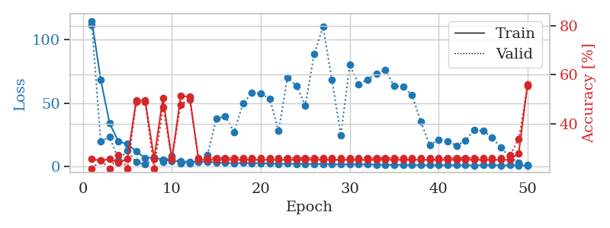
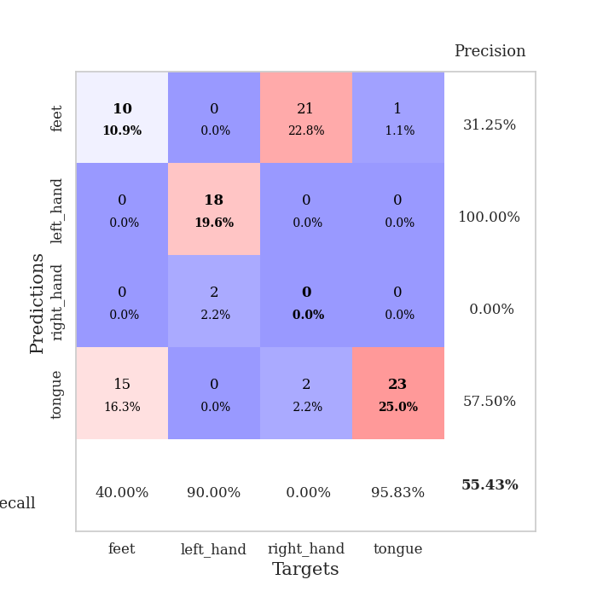
train_loss | valid_loss | train_accuracy | valid_accuracy | dur | train_misclass | valid_misclass
114.87168503 | 111.74338067 | 0.25543478261 | 0.21739130435 | 0.03710103035 | 25.543478261 | 21.739130435
68.498633575 | 19.656195599 | 0.25 | 0.25 | 0.036686420441 | 25 | 25
34.079809952 | 23.61915945 | 0.25543478261 | 0.21739130435 | 0.03601193428 | 25.543478261 | 21.739130435
19.741565704 | 5.0852235089 | 0.24184782609 | 0.27173913043 | 0.035778045654 | 24.184782609 | 27.173913043
17.889121246 | 12.744950129 | 0.25543478261 | 0.21739130435 | 0.036832332611 | 25.543478261 | 21.739130435
11.899397659 | 3.5156175987 | 0.4972826087 | 0.48913043478 | 0.035904169083 | 49.72826087 | 48.913043478
6.9075380325 | 1.6952895807 | 0.49456521739 | 0.48913043478 | 0.036212682724 | 49.456521739 | 48.913043478
7.1254353523 | 6.3582743769 | 0.25815217391 | 0.21739130435 | 0.036404132843 | 25.815217391 | 21.739130435
5.5569472313 | 3.8795917967 | 0.50543478261 | 0.46739130435 | 0.035921573639 | 50.543478261 | 46.739130435
4.3043197632 | 8.3422047574 | 0.2527173913 | 0.26086956522 | 0.035996437073 | 25.27173913 | 26.086956522
4.1108587742 | 2.6458925475 | 0.51358695652 | 0.47826086957 | 0.036401748657 | 51.358695652 | 47.826086957
3.8617090702 | 2.7421872305 | 0.51086956522 | 0.5 | 0.036376476288 | 51.086956522 | 50
3.9017341137 | 3.9155792257 | 0.2527173913 | 0.26086956522 | 0.036323308945 | 25.27173913 | 26.086956522
3.8299423695 | 9.1974210324 | 0.2527173913 | 0.26086956522 | 0.036391019821 | 25.27173913 | 26.086956522
3.2683958054 | 37.71227281 | 0.2527173913 | 0.26086956522 | 0.036879777908 | 25.27173913 | 26.086956522
2.9450608253 | 39.619636867 | 0.2527173913 | 0.26086956522 | 0.036186933517 | 25.27173913 | 26.086956522
2.6176054478 | 27.351521202 | 0.2527173913 | 0.26086956522 | 0.036448717117 | 25.27173913 | 26.086956522
2.8934767723 | 49.947033758 | 0.2527173913 | 0.26086956522 | 0.036072015762 | 25.27173913 | 26.086956522
2.8409656048 | 58.056345732 | 0.2527173913 | 0.26086956522 | 0.036000013351 | 25.27173913 | 26.086956522
2.6146012306 | 57.548429738 | 0.2527173913 | 0.26086956522 | 0.035684347153 | 25.27173913 | 26.086956522
2.4529224157 | 53.645550603 | 0.2527173913 | 0.26086956522 | 0.03648853302 | 25.27173913 | 26.086956522
2.188293004 | 28.02760091 | 0.2527173913 | 0.26086956522 | 0.035732746124 | 25.27173913 | 26.086956522
2.2949455738 | 70.187444936 | 0.2527173913 | 0.26086956522 | 0.0359416008 | 25.27173913 | 26.086956522
2.0825026751 | 63.821298185 | 0.2527173913 | 0.26086956522 | 0.036327838898 | 25.27173913 | 26.086956522
2.1487559319 | 48.30977896 | 0.2527173913 | 0.26086956522 | 0.035777807236 | 25.27173913 | 26.086956522
1.9288235188 | 88.753403705 | 0.2527173913 | 0.26086956522 | 0.035715818405 | 25.27173913 | 26.086956522
2.1265278101 | 110.12619848 | 0.2527173913 | 0.26086956522 | 0.036141872406 | 25.27173913 | 26.086956522
1.8346648455 | 68.438391976 | 0.2527173913 | 0.26086956522 | 0.035808563232 | 25.27173913 | 26.086956522
1.7443785906 | 24.65969915 | 0.2527173913 | 0.26086956522 | 0.035740375519 | 25.27173913 | 26.086956522
1.7136095047 | 80.305297852 | 0.2527173913 | 0.26086956522 | 0.035686969757 | 25.27173913 | 26.086956522
1.7413501501 | 64.950033603 | 0.2527173913 | 0.26086956522 | 0.036110639572 | 25.27173913 | 26.086956522
1.6591905594 | 68.671031786 | 0.2527173913 | 0.26086956522 | 0.035672187805 | 25.27173913 | 26.086956522
1.5394195557 | 73.45239092 | 0.2527173913 | 0.26086956522 | 0.03567647934 | 25.27173913 | 26.086956522
1.2953518629 | 76.075796708 | 0.2527173913 | 0.26086956522 | 0.036332130432 | 25.27173913 | 26.086956522
1.6189643383 | 63.546001932 | 0.2527173913 | 0.26086956522 | 0.038073778152 | 25.27173913 | 26.086956522
1.3734830379 | 63.038332732 | 0.2527173913 | 0.26086956522 | 0.035484313965 | 25.27173913 | 26.086956522
1.3694506884 | 56.228674018 | 0.2527173913 | 0.26086956522 | 0.035831451416 | 25.27173913 | 26.086956522
1.1357017279 | 35.42432785 | 0.2527173913 | 0.26086956522 | 0.035222530365 | 25.27173913 | 26.086956522
1.1758112907 | 16.844229325 | 0.2527173913 | 0.26086956522 | 0.035137176514 | 25.27173913 | 26.086956522
1.1252009749 | 21.395888453 | 0.2527173913 | 0.26086956522 | 0.035536527634 | 25.27173913 | 26.086956522
1.1476361752 | 20.013739379 | 0.2527173913 | 0.26086956522 | 0.035104036331 | 25.27173913 | 26.086956522
1.1087977648 | 16.609579584 | 0.2527173913 | 0.26086956522 | 0.035038471222 | 25.27173913 | 26.086956522
1.0595067263 | 20.364278462 | 0.2527173913 | 0.26086956522 | 0.035121440887 | 25.27173913 | 26.086956522
1.0445467114 | 29.108631466 | 0.2527173913 | 0.26086956522 | 0.03537774086 | 25.27173913 | 26.086956522
1.1609724879 | 28.211878238 | 0.2527173913 | 0.26086956522 | 0.035178184509 | 25.27173913 | 26.086956522
1.4134690523 | 23.133068582 | 0.2527173913 | 0.26086956522 | 0.035396575928 | 25.27173913 | 26.086956522
0.90293521881 | 14.856375363 | 0.2527173913 | 0.26086956522 | 0.035489559174 | 25.27173913 | 26.086956522
1.1521318555 | 7.8888496316 | 0.2527173913 | 0.27173913043 | 0.035249233246 | 25.27173913 | 27.173913043
1.0311074018 | 3.0704489273 | 0.27989130435 | 0.33695652174 | 0.035049676895 | 27.989130435 | 33.695652174
0.92354940176 | 1.2001104873 | 0.5625 | 0.55434782609 | 0.035577535629 | 56.25 | 55.434782609

Best Val accuracy is 0.5543478260869565 and Best test accuracy is 0.5603448275862069

Sheet9
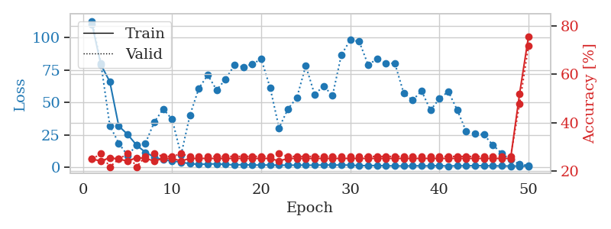
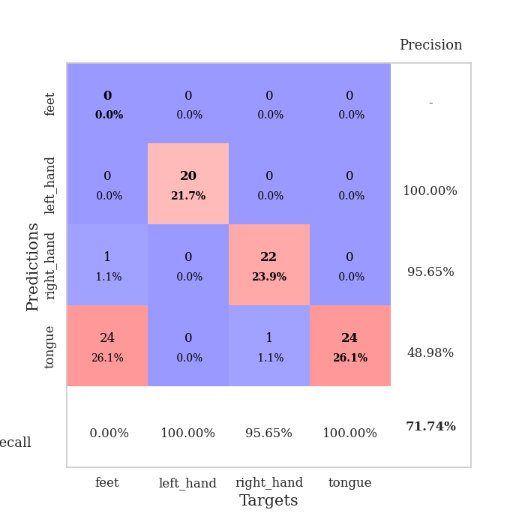
train_loss | valid_loss | train_accuracy | valid_accuracy | dur | train_misclass | valid_misclass
110.39346714 | 112.83251257 | 0.25 | 0.25 | 0.036427259445 | 25 | 25
79.167725372 | 80.215152575 | 0.24184782609 | 0.27173913043 | 0.034412145615 | 24.184782609 | 27.173913043
66.159903717 | 32.283577297 | 0.25543478261 | 0.21739130435 | 0.034881591797 | 25.543478261 | 21.739130435
32.028947067 | 18.757506744 | 0.25 | 0.25 | 0.034126520157 | 25 | 25
25.445931435 | 9.2644372194 | 0.24184782609 | 0.27173913043 | 0.034450769424 | 24.184782609 | 27.173913043
17.318460655 | 17.134932891 | 0.25543478261 | 0.21739130435 | 0.034539699554 | 25.543478261 | 21.739130435
11.638907433 | 18.713673716 | 0.2527173913 | 0.26086956522 | 0.034153699875 | 25.27173913 | 26.086956522
8.0395711899 | 35.088748268 | 0.24184782609 | 0.27173913043 | 0.03406047821 | 24.184782609 | 27.173913043
5.9066157341 | 45.055127683 | 0.2527173913 | 0.26086956522 | 0.034100055695 | 25.27173913 | 26.086956522
5.1218959808 | 37.081306955 | 0.2527173913 | 0.26086956522 | 0.034567594528 | 25.27173913 | 26.086956522
4.0648232937 | 9.736393431 | 0.24184782609 | 0.27173913043 | 0.034183502197 | 24.184782609 | 27.173913043
2.9739831448 | 40.48393349 | 0.2527173913 | 0.26086956522 | 0.034306287766 | 25.27173913 | 26.086956522
2.4521898985 | 61.033846648 | 0.2527173913 | 0.26086956522 | 0.034651517868 | 25.27173913 | 26.086956522
2.6949874878 | 71.210048841 | 0.2527173913 | 0.26086956522 | 0.034232139587 | 25.27173913 | 26.086956522
2.8146977901 | 59.648298181 | 0.2527173913 | 0.26086956522 | 0.034175157547 | 25.27173913 | 26.086956522
2.3901274204 | 68.091770006 | 0.2527173913 | 0.26086956522 | 0.034252405167 | 25.27173913 | 26.086956522
2.0536071539 | 78.927469668 | 0.2527173913 | 0.26086956522 | 0.034423589706 | 25.27173913 | 26.086956522
2.2200376987 | 77.501504649 | 0.2527173913 | 0.26086956522 | 0.034116744995 | 25.27173913 | 26.086956522
1.8703863382 | 79.649087325 | 0.2527173913 | 0.26086956522 | 0.034133672714 | 25.27173913 | 26.086956522
1.9158282518 | 83.567140662 | 0.2527173913 | 0.26086956522 | 0.034736871719 | 25.27173913 | 26.086956522
1.9003573895 | 61.445869943 | 0.2527173913 | 0.26086956522 | 0.034106254578 | 25.27173913 | 26.086956522
1.7905507565 | 30.487334708 | 0.24184782609 | 0.27173913043 | 0.034219026566 | 24.184782609 | 27.173913043
1.7471940279 | 45.073935799 | 0.2527173913 | 0.26086956522 | 0.034735441208 | 25.27173913 | 26.086956522
1.8420958042 | 53.818428371 | 0.2527173913 | 0.26086956522 | 0.034301757812 | 25.27173913 | 26.086956522
1.8009024382 | 78.326072693 | 0.2527173913 | 0.26086956522 | 0.034135103226 | 25.27173913 | 26.086956522
1.7706526399 | 56.134106014 | 0.2527173913 | 0.26086956522 | 0.034212350845 | 25.27173913 | 26.086956522
2.0010267496 | 62.872549638 | 0.2527173913 | 0.26086956522 | 0.034894227982 | 25.27173913 | 26.086956522
1.8518352151 | 55.357200125 | 0.2527173913 | 0.26086956522 | 0.034214258194 | 25.27173913 | 26.086956522
1.9493152142 | 86.868101369 | 0.2527173913 | 0.26086956522 | 0.034247159958 | 25.27173913 | 26.086956522
1.8138123989 | 98.185214499 | 0.2527173913 | 0.26086956522 | 0.034489631653 | 25.27173913 | 26.086956522
1.4525178909 | 97.043224169 | 0.2527173913 | 0.26086956522 | 0.034138917923 | 25.27173913 | 26.086956522
1.5120080471 | 79.072472614 | 0.2527173913 | 0.26086956522 | 0.034223794937 | 25.27173913 | 26.086956522
1.5149831295 | 83.609530573 | 0.2527173913 | 0.26086956522 | 0.034089565277 | 25.27173913 | 26.086956522
1.3447392702 | 80.348707448 | 0.2527173913 | 0.26086956522 | 0.034312486649 | 25.27173913 | 26.086956522
1.2575642467 | 80.246704433 | 0.2527173913 | 0.26086956522 | 0.034564733505 | 25.27173913 | 26.086956522
1.1692984819 | 57.1705717 | 0.2527173913 | 0.26086956522 | 0.035793542862 | 25.27173913 | 26.086956522
1.3029304028 | 51.873572806 | 0.2527173913 | 0.26086956522 | 0.035784721375 | 25.27173913 | 26.086956522
1.3076844096 | 58.958559617 | 0.2527173913 | 0.26086956522 | 0.036277294159 | 25.27173913 | 26.086956522
1.2284785151 | 44.167893451 | 0.2527173913 | 0.26086956522 | 0.034963846207 | 25.27173913 | 26.086956522
1.4857994318 | 52.964971128 | 0.2527173913 | 0.26086956522 | 0.035449028015 | 25.27173913 | 26.086956522
1.1014236689 | 58.539230844 | 0.2527173913 | 0.26086956522 | 0.034706115723 | 25.27173913 | 26.086956522
1.3847481012 | 44.410189587 | 0.2527173913 | 0.26086956522 | 0.035461187363 | 25.27173913 | 26.086956522
1.2801343679 | 27.894096457 | 0.2527173913 | 0.26086956522 | 0.035000801086 | 25.27173913 | 26.086956522
1.481400466 | 26.337485852 | 0.2527173913 | 0.26086956522 | 0.036500453949 | 25.27173913 | 26.086956522
1.3712063789 | 25.272387297 | 0.2527173913 | 0.26086956522 | 0.035015583038 | 25.27173913 | 26.086956522
1.3026421189 | 17.36331326 | 0.2527173913 | 0.26086956522 | 0.035742521286 | 25.27173913 | 26.086956522
1.2094520569 | 10.921434112 | 0.2527173913 | 0.26086956522 | 0.034561395645 | 25.27173913 | 26.086956522
1.1232921124 | 5.8996832474 | 0.2527173913 | 0.26086956522 | 0.035968065262 | 25.27173913 | 26.086956522
1.1124309182 | 2.580268269 | 0.51902173913 | 0.47826086957 | 0.035310745239 | 51.902173913 | 47.826086957
1.0131331801 | 1.5578608824 | 0.75543478261 | 0.71739130435 | 0.035542011261 | 75.543478261 | 71.739130435

Best Val accuracy is 0.717391304347826 and Best test accuracy is 0.7413793103448276

Sheet10
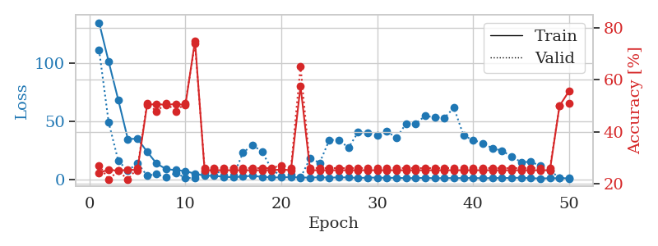
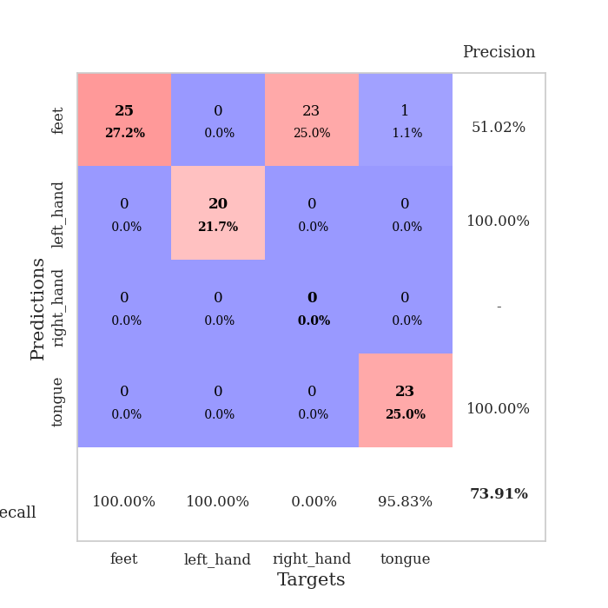
train_loss | valid_loss | train_accuracy | valid_accuracy | dur | train_misclass | valid_misclass
134.9966198 | 111.59055959 | 0.24184782609 | 0.27173913043 | 0.037492513657 | 24.184782609 | 27.173913043
101.46823425 | 49.36061262 | 0.25543478261 | 0.21739130435 | 0.035286664963 | 25.543478261 | 21.739130435
68.760244751 | 16.447019536 | 0.25 | 0.25 | 0.036401748657 | 25 | 25
35.021459389 | 7.7830075388 | 0.25543478261 | 0.21739130435 | 0.035965442657 | 25.543478261 | 21.739130435
35.415558243 | 14.528652606 | 0.2527173913 | 0.26086956522 | 0.035236120224 | 25.27173913 | 26.086956522
24.250159645 | 3.7105958565 | 0.5027173913 | 0.51086956522 | 0.036410331726 | 50.27173913 | 51.086956522
14.024376488 | 4.8554832624 | 0.50815217391 | 0.47826086957 | 0.036352157593 | 50.815217391 | 47.826086957
9.2506632805 | 2.2996886088 | 0.5027173913 | 0.51086956522 | 0.034352064133 | 50.27173913 | 51.086956522
8.3909121513 | 5.9862931708 | 0.50815217391 | 0.47826086957 | 0.0346326828 | 50.815217391 | 47.826086957
7.5839939117 | 1.7024245521 | 0.5027173913 | 0.51086956522 | 0.03515458107 | 50.27173913 | 51.086956522
5.2971024513 | 1.6421918403 | 0.75 | 0.73913043478 | 0.034725427628 | 75 | 73.913043478
3.6440655231 | 6.519456428 | 0.2527173913 | 0.26086956522 | 0.034835338593 | 25.27173913 | 26.086956522
3.4518814087 | 8.9951082727 | 0.2527173913 | 0.26086956522 | 0.034424543381 | 25.27173913 | 26.086956522
2.7126159668 | 3.6464920873 | 0.2527173913 | 0.26086956522 | 0.035258293152 | 25.27173913 | 26.086956522
2.2316864967 | 3.5457998048 | 0.2527173913 | 0.26086956522 | 0.034907341003 | 25.27173913 | 26.086956522
3.0095518112 | 23.279990321 | 0.2527173913 | 0.26086956522 | 0.03452539444 | 25.27173913 | 26.086956522
3.4488569736 | 30.044423062 | 0.2527173913 | 0.26086956522 | 0.034404993057 | 25.27173913 | 26.086956522
2.5983945131 | 24.002586945 | 0.2527173913 | 0.26086956522 | 0.035364866257 | 25.27173913 | 26.086956522
2.1308795452 | 9.0704339898 | 0.2527173913 | 0.26086956522 | 0.035679340363 | 25.27173913 | 26.086956522
2.088076067 | 3.1866664783 | 0.25543478261 | 0.27173913043 | 0.035180807114 | 25.543478261 | 27.173913043
2.4403033257 | 4.4553318646 | 0.2527173913 | 0.26086956522 | 0.035709619522 | 25.27173913 | 26.086956522
2.1143240213 | 1.9326688466 | 0.57608695652 | 0.65217391304 | 0.035073041916 | 57.608695652 | 65.217391304
1.942921114 | 18.512128498 | 0.2527173913 | 0.26086956522 | 0.034968614578 | 25.27173913 | 26.086956522
2.2547855854 | 14.687929319 | 0.2527173913 | 0.26086956522 | 0.034851551056 | 25.27173913 | 26.086956522
1.9278901815 | 34.280903526 | 0.2527173913 | 0.26086956522 | 0.034905195236 | 25.27173913 | 26.086956522
2.147744298 | 34.333249465 | 0.2527173913 | 0.26086956522 | 0.034664154053 | 25.27173913 | 26.086956522
2.1239924431 | 27.57186077 | 0.2527173913 | 0.26086956522 | 0.034504175186 | 25.27173913 | 26.086956522
1.6622536659 | 40.857326839 | 0.2527173913 | 0.26086956522 | 0.034966945648 | 25.27173913 | 26.086956522
1.9284537554 | 40.493316982 | 0.2527173913 | 0.26086956522 | 0.035511255264 | 25.27173913 | 26.086956522
1.969304347 | 37.980342533 | 0.2527173913 | 0.26086956522 | 0.035342216492 | 25.27173913 | 26.086956522
1.7492274523 | 41.820771093 | 0.2527173913 | 0.26086956522 | 0.034889936447 | 25.27173913 | 26.086956522
1.8143131733 | 35.906016806 | 0.2527173913 | 0.26086956522 | 0.034561395645 | 25.27173913 | 26.086956522
1.4860665083 | 48.316600136 | 0.2527173913 | 0.26086956522 | 0.034420251846 | 25.27173913 | 26.086956522
1.5594115496 | 48.353085393 | 0.2527173913 | 0.26086956522 | 0.034476518631 | 25.27173913 | 26.086956522
1.8171414375 | 54.877401767 | 0.2527173913 | 0.26086956522 | 0.035175561905 | 25.27173913 | 26.086956522
1.3656291008 | 53.67545103 | 0.2527173913 | 0.26086956522 | 0.034653663635 | 25.27173913 | 26.086956522
1.6084754467 | 53.361341394 | 0.2527173913 | 0.26086956522 | 0.034841299057 | 25.27173913 | 26.086956522
1.5311313868 | 61.854885267 | 0.2527173913 | 0.26086956522 | 0.034847736359 | 25.27173913 | 26.086956522
1.5677225351 | 37.933663576 | 0.2527173913 | 0.26086956522 | 0.03483080864 | 25.27173913 | 26.086956522
1.6674018145 | 34.215065334 | 0.2527173913 | 0.26086956522 | 0.034685373306 | 25.27173913 | 26.086956522
1.3827630162 | 31.526395798 | 0.2527173913 | 0.26086956522 | 0.034768104553 | 25.27173913 | 26.086956522
1.6164099455 | 27.193367917 | 0.2527173913 | 0.26086956522 | 0.036937236786 | 25.27173913 | 26.086956522
1.6533228636 | 25.090331782 | 0.2527173913 | 0.26086956522 | 0.035140752792 | 25.27173913 | 26.086956522
1.6334415197 | 20.03773341 | 0.2527173913 | 0.26086956522 | 0.034882545471 | 25.27173913 | 26.086956522
1.9277475834 | 15.322240871 | 0.2527173913 | 0.26086956522 | 0.035692930222 | 25.27173913 | 26.086956522
1.4617889166 | 15.451443299 | 0.2527173913 | 0.26086956522 | 0.034390687943 | 25.27173913 | 26.086956522
1.2279796004 | 12.1572956 | 0.2527173913 | 0.26086956522 | 0.03422498703 | 25.27173913 | 26.086956522
1.449764514 | 7.7984774631 | 0.2527173913 | 0.26086956522 | 0.03457570076 | 25.27173913 | 26.086956522
1.4185040951 | 1.9770487029 | 0.5 | 0.5 | 0.034375905991 | 50 | 50
1.4227092862 | 1.1633962652 | 0.55706521739 | 0.51086956522 | 0.034283638 | 55.706521739 | 51.086956522

Best Val accuracy is 0.7391304347826086 and Best test accuracy is 0.75

