Sheet
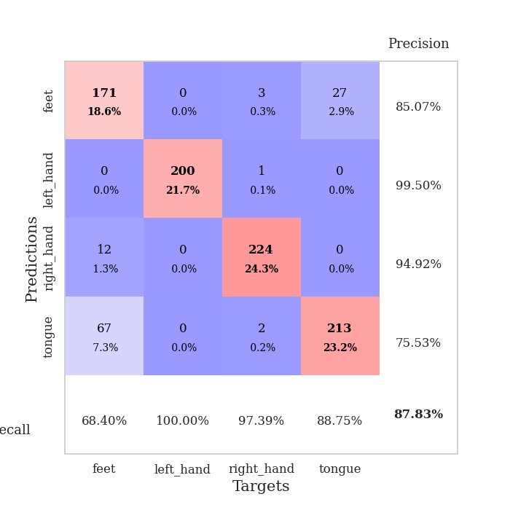
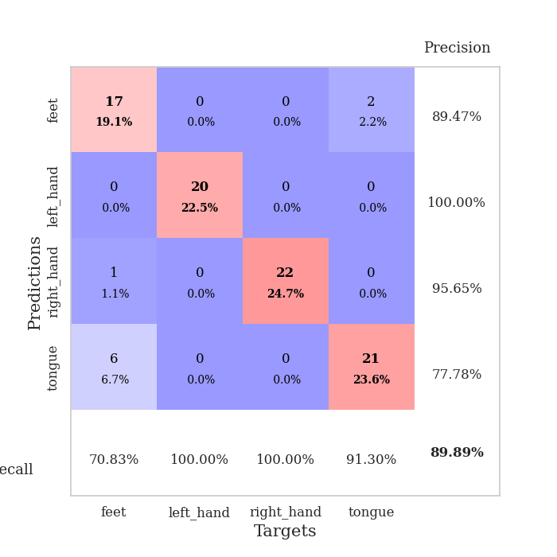
best_val_acc | best_val_los | best_test_acc
0.70652173913 | 1.3451883741 | 0.71551724138
0.90217391304 | 0.25055450849 | 0.87931034483
0.86956521739 | 0.35575090802 | 0.87931034483
0.82608695652 | 0.35973626246 | 0.8275862069
0.92391304348 | 0.2764216506 | 0.89655172414
0.90217391304 | 0.29457303493 | 0.93965517241
0.92391304348 | 0.25903030841 | 0.87068965517
0.85869565217 | 0.29141615526 | 0.86206896552
0.91304347826 | 0.24926091925 | 0.93103448276
0.95652173913 | 0.31015945258 | 0.93103448276

Mean,std Val accuracy is 0.8782608695652174 , 0.07096271404258023 and mean, std test accuracy is 0.8732758620689657 , 0.06565950475097428

Sheet1
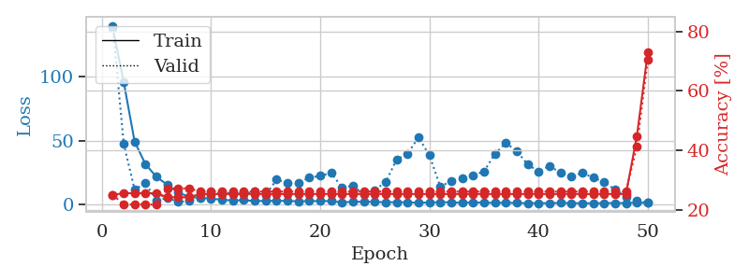
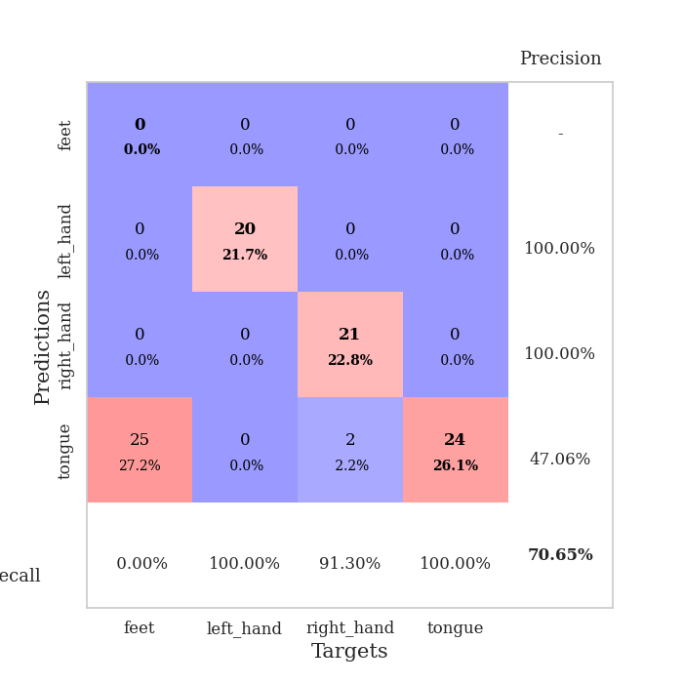
train_loss | valid_loss | train_accuracy | valid_accuracy | dur | train_misclass | valid_misclass
137.51603088 | 139.51939856 | 0.25 | 0.25 | 0.037087440491 | 25 | 25
95.742807007 | 47.552129165 | 0.25543478261 | 0.21739130435 | 0.035084247589 | 25.543478261 | 21.739130435
49.153405762 | 11.682388596 | 0.25543478261 | 0.21739130435 | 0.035835027695 | 25.543478261 | 21.739130435
31.404321289 | 16.956639746 | 0.25543478261 | 0.21739130435 | 0.035377264023 | 25.543478261 | 21.739130435
21.709684181 | 2.7647125928 | 0.25543478261 | 0.21739130435 | 0.035793542862 | 25.543478261 | 21.739130435
15.424655724 | 5.4613975442 | 0.24184782609 | 0.27173913043 | 0.03506398201 | 24.184782609 | 27.173913043
9.3381126404 | 2.0165368474 | 0.24184782609 | 0.27173913043 | 0.038176059723 | 24.184782609 | 27.173913043
6.2260046959 | 3.0572210706 | 0.24184782609 | 0.27173913043 | 0.035394906998 | 24.184782609 | 27.173913043
5.3379621983 | 5.4422688484 | 0.2527173913 | 0.26086956522 | 0.035209178925 | 25.27173913 | 26.086956522
4.6675352573 | 7.3524079737 | 0.2527173913 | 0.26086956522 | 0.036081314087 | 25.27173913 | 26.086956522
3.8760150433 | 9.6221011203 | 0.2527173913 | 0.26086956522 | 0.036061525345 | 25.27173913 | 26.086956522
3.1920568466 | 8.5135873712 | 0.2527173913 | 0.26086956522 | 0.036293506622 | 25.27173913 | 26.086956522
3.5271211147 | 8.5754230748 | 0.2527173913 | 0.26086956522 | 0.03644990921 | 25.27173913 | 26.086956522
2.7666165352 | 10.292222728 | 0.2527173913 | 0.26086956522 | 0.035628557205 | 25.27173913 | 26.086956522
2.9529070377 | 7.1973545862 | 0.2527173913 | 0.26086956522 | 0.036058664322 | 25.27173913 | 26.086956522
2.924693203 | 19.60755655 | 0.2527173913 | 0.26086956522 | 0.037029027939 | 25.27173913 | 26.086956522
2.9216236115 | 16.83492702 | 0.2527173913 | 0.26086956522 | 0.036922454834 | 25.27173913 | 26.086956522
2.5584899187 | 17.268476237 | 0.2527173913 | 0.26086956522 | 0.036414861679 | 25.27173913 | 26.086956522
2.75105443 | 20.964616693 | 0.2527173913 | 0.26086956522 | 0.036037921906 | 25.27173913 | 26.086956522
2.8105968952 | 22.498934373 | 0.2527173913 | 0.26086956522 | 0.035815000534 | 25.27173913 | 26.086956522
2.754966855 | 24.646561415 | 0.2527173913 | 0.26086956522 | 0.036072731018 | 25.27173913 | 26.086956522
1.7392155409 | 13.510571107 | 0.2527173913 | 0.26086956522 | 0.036355018616 | 25.27173913 | 26.086956522
2.2601490974 | 14.631657227 | 0.2527173913 | 0.26086956522 | 0.036496400833 | 25.27173913 | 26.086956522
2.2099644423 | 8.1269772364 | 0.2527173913 | 0.26086956522 | 0.036412477493 | 25.27173913 | 26.086956522
2.1467915773 | 11.370439529 | 0.2527173913 | 0.26086956522 | 0.035757303238 | 25.27173913 | 26.086956522
1.8301092386 | 17.74597367 | 0.2527173913 | 0.26086956522 | 0.036734104156 | 25.27173913 | 26.086956522
1.953698945 | 35.176853014 | 0.2527173913 | 0.26086956522 | 0.036244869232 | 25.27173913 | 26.086956522
1.7851702213 | 39.666090095 | 0.2527173913 | 0.26086956522 | 0.036047697067 | 25.27173913 | 26.086956522
1.5292896986 | 52.450071749 | 0.2527173913 | 0.26086956522 | 0.036628723145 | 25.27173913 | 26.086956522
1.679799509 | 38.45781177 | 0.2527173913 | 0.26086956522 | 0.035598278046 | 25.27173913 | 26.086956522
1.9262765169 | 13.93052806 | 0.2527173913 | 0.26086956522 | 0.035878419876 | 25.27173913 | 26.086956522
1.7913849354 | 18.572336694 | 0.2527173913 | 0.26086956522 | 0.035405874252 | 25.27173913 | 26.086956522
1.4702818155 | 20.46488679 | 0.2527173913 | 0.26086956522 | 0.035576105118 | 25.27173913 | 26.086956522
1.7712472439 | 22.67364502 | 0.2527173913 | 0.26086956522 | 0.035413742065 | 25.27173913 | 26.086956522
1.51997962 | 25.969327097 | 0.2527173913 | 0.26086956522 | 0.035465955734 | 25.27173913 | 26.086956522
1.4301379442 | 39.633378734 | 0.2527173913 | 0.26086956522 | 0.035743951797 | 25.27173913 | 26.086956522
1.5109689951 | 48.003092724 | 0.2527173913 | 0.26086956522 | 0.036927461624 | 25.27173913 | 26.086956522
1.3066063404 | 41.828992927 | 0.2527173913 | 0.26086956522 | 0.035672664642 | 25.27173913 | 26.086956522
1.2228728652 | 31.307138443 | 0.2527173913 | 0.26086956522 | 0.035766601562 | 25.27173913 | 26.086956522
1.1420581341 | 25.787530401 | 0.2527173913 | 0.26086956522 | 0.035535573959 | 25.27173913 | 26.086956522
1.2023336172 | 30.215347041 | 0.2527173913 | 0.26086956522 | 0.035587787628 | 25.27173913 | 26.086956522
1.3366316557 | 24.853081081 | 0.2527173913 | 0.26086956522 | 0.035764217377 | 25.27173913 | 26.086956522
1.2109025598 | 21.893038459 | 0.2527173913 | 0.26086956522 | 0.035535335541 | 25.27173913 | 26.086956522
1.1125226378 | 24.746796898 | 0.2527173913 | 0.26086956522 | 0.035485744476 | 25.27173913 | 26.086956522
1.1100774288 | 21.036398597 | 0.2527173913 | 0.26086956522 | 0.035515546799 | 25.27173913 | 26.086956522
1.2060729384 | 17.591460269 | 0.2527173913 | 0.26086956522 | 0.036604881287 | 25.27173913 | 26.086956522
1.2813725233 | 11.602050864 | 0.2527173913 | 0.26086956522 | 0.035633563995 | 25.27173913 | 26.086956522
1.2376702547 | 6.3749837668 | 0.2527173913 | 0.26086956522 | 0.036427974701 | 25.27173913 | 26.086956522
1.5546622515 | 2.8328239607 | 0.44836956522 | 0.41304347826 | 0.036874055862 | 44.836956522 | 41.304347826
1.3397329926 | 1.3451883741 | 0.73097826087 | 0.70652173913 | 0.036000490189 | 73.097826087 | 70.652173913

Best Val accuracy is 0.7065217391304348 and Best test accuracy is 0.7155172413793104

Sheet2
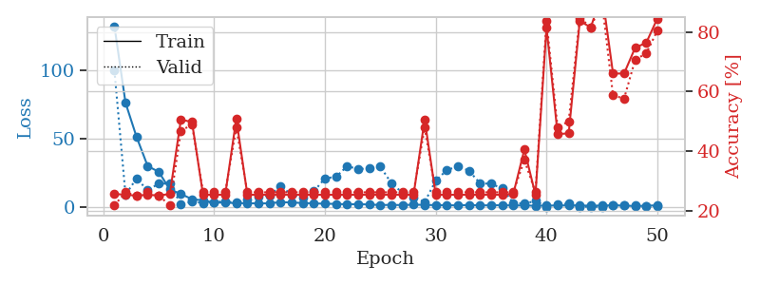
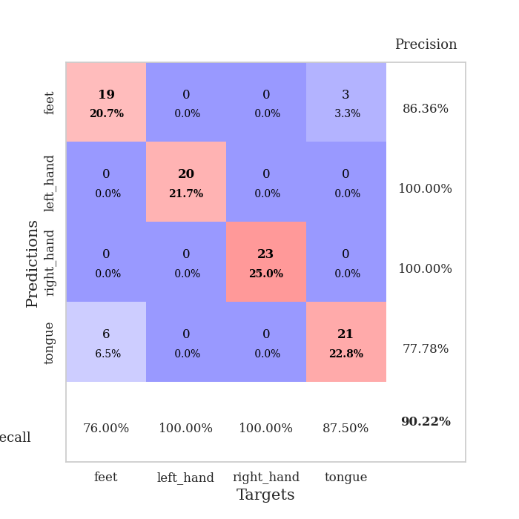
train_loss | valid_loss | train_accuracy | valid_accuracy | dur | train_misclass | valid_misclass
132.65135841 | 100.14246236 | 0.25543478261 | 0.21739130435 | 0.038145303726 | 25.543478261 | 21.739130435
76.513945007 | 9.1758403778 | 0.2527173913 | 0.26086956522 | 0.03645825386 | 25.27173913 | 26.086956522
51.423599243 | 21.069166183 | 0.25 | 0.25 | 0.036754846573 | 25 | 25
30.146300125 | 12.29590814 | 0.2527173913 | 0.26086956522 | 0.035649776459 | 25.27173913 | 26.086956522
25.901045609 | 17.35015015 | 0.25 | 0.25 | 0.036628246307 | 25 | 25
13.024708176 | 17.247810861 | 0.25543478261 | 0.21739130435 | 0.036200523376 | 25.543478261 | 21.739130435
9.6636412621 | 2.1549763109 | 0.50543478261 | 0.46739130435 | 0.036454916 | 50.543478261 | 46.739130435
5.8904005051 | 4.0569069282 | 0.4972826087 | 0.48913043478 | 0.03665137291 | 49.72826087 | 48.913043478
4.965115118 | 3.061251122 | 0.2527173913 | 0.26086956522 | 0.036155223846 | 25.27173913 | 26.086956522
3.3831906319 | 3.8507163317 | 0.2527173913 | 0.26086956522 | 0.03622674942 | 25.27173913 | 26.086956522
3.4322368622 | 4.2987577501 | 0.2527173913 | 0.26086956522 | 0.035825014114 | 25.27173913 | 26.086956522
2.9093370914 | 3.2658535812 | 0.50815217391 | 0.47826086957 | 0.035962104797 | 50.815217391 | 47.826086957
2.9640493393 | 5.6314020986 | 0.2527173913 | 0.26086956522 | 0.03551030159 | 25.27173913 | 26.086956522
2.7160466671 | 7.6763046928 | 0.2527173913 | 0.26086956522 | 0.035622358322 | 25.27173913 | 26.086956522
2.8734098911 | 8.6292000439 | 0.2527173913 | 0.26086956522 | 0.036549329758 | 25.27173913 | 26.086956522
3.7463674068 | 15.436869829 | 0.2527173913 | 0.26086956522 | 0.036122083664 | 25.27173913 | 26.086956522
3.4126559258 | 9.0772134947 | 0.2527173913 | 0.26086956522 | 0.035430669785 | 25.27173913 | 26.086956522
3.0973929405 | 7.2070151205 | 0.2527173913 | 0.26086956522 | 0.036379098892 | 25.27173913 | 26.086956522
2.7769922733 | 11.600294113 | 0.2527173913 | 0.26086956522 | 0.036780118942 | 25.27173913 | 26.086956522
2.5575980425 | 21.118266313 | 0.2527173913 | 0.26086956522 | 0.037442207336 | 25.27173913 | 26.086956522
2.417103529 | 22.26735596 | 0.2527173913 | 0.26086956522 | 0.037483453751 | 25.27173913 | 26.086956522
2.1049419165 | 29.990089251 | 0.2527173913 | 0.26086956522 | 0.038993358612 | 25.27173913 | 26.086956522
2.2266324043 | 27.998272606 | 0.2527173913 | 0.26086956522 | 0.036416530609 | 25.27173913 | 26.086956522
1.9775352716 | 28.325713697 | 0.2527173913 | 0.26086956522 | 0.037137746811 | 25.27173913 | 26.086956522
1.5988001585 | 29.728134902 | 0.2527173913 | 0.26086956522 | 0.037242650986 | 25.27173913 | 26.086956522
1.6724502802 | 17.563369419 | 0.2527173913 | 0.26086956522 | 0.03560423851 | 25.27173913 | 26.086956522
1.5606975555 | 10.563401512 | 0.2527173913 | 0.26086956522 | 0.036400079727 | 25.27173913 | 26.086956522
1.8356360674 | 7.3530013458 | 0.2527173913 | 0.26086956522 | 0.040105581284 | 25.27173913 | 26.086956522
1.6996533155 | 3.7742332479 | 0.50543478261 | 0.47826086957 | 0.039276838303 | 50.543478261 | 47.826086957
1.5137347698 | 19.426410592 | 0.2527173913 | 0.26086956522 | 0.036119699478 | 25.27173913 | 26.086956522
1.444218564 | 27.200667672 | 0.2527173913 | 0.26086956522 | 0.03723192215 | 25.27173913 | 26.086956522
1.3106091261 | 29.867221169 | 0.2527173913 | 0.26086956522 | 0.036541700363 | 25.27173913 | 26.086956522
1.6246086836 | 26.755372421 | 0.2527173913 | 0.26086956522 | 0.036294698715 | 25.27173913 | 26.086956522
1.2976817369 | 17.430553353 | 0.2527173913 | 0.26086956522 | 0.037668704987 | 25.27173913 | 26.086956522
1.4028189778 | 17.224982635 | 0.2527173913 | 0.26086956522 | 0.03718829155 | 25.27173913 | 26.086956522
1.4480752707 | 13.643678624 | 0.2527173913 | 0.26086956522 | 0.036743402481 | 25.27173913 | 26.086956522
1.2745252848 | 3.1875031513 | 0.25543478261 | 0.26086956522 | 0.038043022156 | 25.543478261 | 26.086956522
1.2858226299 | 2.5300133954 | 0.40489130435 | 0.36956521739 | 0.03716135025 | 40.489130435 | 36.956521739
1.0558472633 | 4.626687817 | 0.2527173913 | 0.26086956522 | 0.037348985672 | 25.27173913 | 26.086956522
1.2153574347 | 0.41002048228 | 0.8152173913 | 0.83695652174 | 0.03716301918 | 81.52173913 | 83.695652174
1.1968710184 | 2.2206914788 | 0.45652173913 | 0.47826086957 | 0.03746008873 | 45.652173913 | 47.826086957
1.3541751266 | 2.5145386509 | 0.45923913043 | 0.5 | 0.037125110626 | 45.923913043 | 50
1.1860371232 | 0.36714492803 | 0.83695652174 | 0.84782608696 | 0.037303447723 | 83.695652174 | 84.782608696
1.1579119444 | 0.3496673755 | 0.8152173913 | 0.8152173913 | 0.03752207756 | 81.52173913 | 81.52173913
1.1769417405 | 0.25055450849 | 0.93206521739 | 0.90217391304 | 0.03738284111 | 93.206521739 | 90.217391304
1.3958890438 | 1.6899605212 | 0.66032608696 | 0.58695652174 | 0.039389371872 | 66.032608696 | 58.695652174
1.1349180102 | 1.6672503326 | 0.66032608696 | 0.57608695652 | 0.04067325592 | 66.032608696 | 57.608695652
0.87439082861 | 1.498528522 | 0.7472826087 | 0.70652173913 | 0.036667585373 | 74.72826087 | 70.652173913
1.0797112107 | 1.0109011557 | 0.76358695652 | 0.72826086957 | 0.037258863449 | 76.358695652 | 72.826086957
1.3904998302 | 0.54882119531 | 0.84510869565 | 0.80434782609 | 0.037907600403 | 84.510869565 | 80.434782609

Best Val accuracy is 0.9021739130434783 and Best test accuracy is 0.8793103448275862

Sheet3
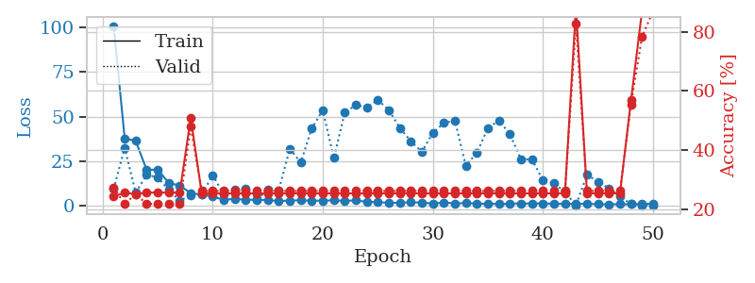
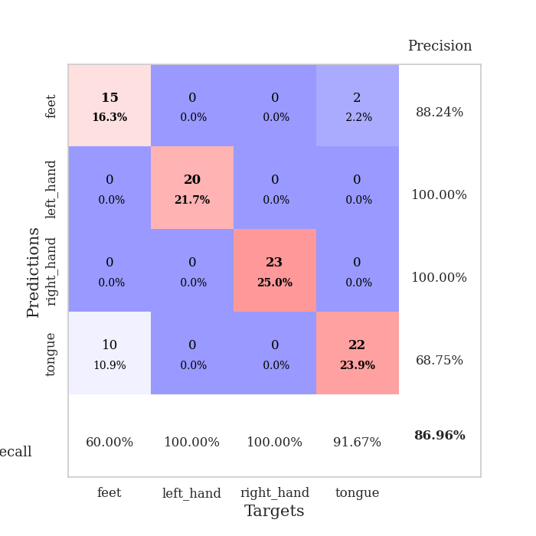
train_loss | valid_loss | train_accuracy | valid_accuracy | dur | train_misclass | valid_misclass
100.5984684 | 9.5078158586 | 0.24184782609 | 0.27173913043 | 0.038579940796 | 24.184782609 | 27.173913043
37.850857162 | 32.493982978 | 0.25543478261 | 0.21739130435 | 0.035677671432 | 25.543478261 | 21.739130435
36.361086273 | 7.5330545591 | 0.25 | 0.25 | 0.035336971283 | 25 | 25
20.138868141 | 17.436055225 | 0.25543478261 | 0.21739130435 | 0.035673379898 | 25.543478261 | 21.739130435
20.4079422 | 15.997140884 | 0.25543478261 | 0.21739130435 | 0.041003465652 | 25.543478261 | 21.739130435
12.988256645 | 8.9373568659 | 0.25543478261 | 0.21739130435 | 0.037942647934 | 25.543478261 | 21.739130435
11.434537125 | 2.9998291783 | 0.25543478261 | 0.21739130435 | 0.036526918411 | 25.543478261 | 21.739130435
7.2278394222 | 5.9351003481 | 0.50815217391 | 0.47826086957 | 0.037759542465 | 50.815217391 | 47.826086957
6.3478348255 | 6.4549882308 | 0.2527173913 | 0.26086956522 | 0.039137601852 | 25.27173913 | 26.086956522
5.3200483799 | 17.28521969 | 0.2527173913 | 0.26086956522 | 0.03705906868 | 25.27173913 | 26.086956522
3.4969213486 | 6.2977921859 | 0.2527173913 | 0.26086956522 | 0.037871360779 | 25.27173913 | 26.086956522
4.0048313618 | 9.2444274322 | 0.2527173913 | 0.26086956522 | 0.037848234177 | 25.27173913 | 26.086956522
3.5388355732 | 9.6889707731 | 0.2527173913 | 0.26086956522 | 0.037440538406 | 25.27173913 | 26.086956522
3.4561697483 | 3.6878196571 | 0.2527173913 | 0.26086956522 | 0.038113355637 | 25.27173913 | 26.086956522
3.3403289318 | 9.0758220009 | 0.2527173913 | 0.26086956522 | 0.038918018341 | 25.27173913 | 26.086956522
2.7986731529 | 8.8763368441 | 0.2527173913 | 0.26086956522 | 0.037112236023 | 25.27173913 | 26.086956522
3.0539610386 | 31.989127947 | 0.2527173913 | 0.26086956522 | 0.039259672165 | 25.27173913 | 26.086956522
3.2500552654 | 24.33026405 | 0.2527173913 | 0.26086956522 | 0.03736782074 | 25.27173913 | 26.086956522
2.9705739498 | 43.462253736 | 0.2527173913 | 0.26086956522 | 0.037465810776 | 25.27173913 | 26.086956522
3.0079676151 | 53.523932581 | 0.2527173913 | 0.26086956522 | 0.036877155304 | 25.27173913 | 26.086956522
3.1940942764 | 26.863868299 | 0.2527173913 | 0.26086956522 | 0.0365254879 | 25.27173913 | 26.086956522
2.8896328926 | 52.134559963 | 0.2527173913 | 0.26086956522 | 0.036679267883 | 25.27173913 | 26.086956522
3.1388436317 | 56.54034258 | 0.2527173913 | 0.26086956522 | 0.036904335022 | 25.27173913 | 26.086956522
2.3569288969 | 55.026248103 | 0.2527173913 | 0.26086956522 | 0.036165237427 | 25.27173913 | 26.086956522
2.208011961 | 59.289991628 | 0.2527173913 | 0.26086956522 | 0.036786556244 | 25.27173913 | 26.086956522
1.775809288 | 53.617036737 | 0.2527173913 | 0.26086956522 | 0.036702156067 | 25.27173913 | 26.086956522
1.8337986231 | 43.595717555 | 0.2527173913 | 0.26086956522 | 0.036849975586 | 25.27173913 | 26.086956522
2.0797252893 | 36.247364044 | 0.2527173913 | 0.26086956522 | 0.036345243454 | 25.27173913 | 26.086956522
1.9499584913 | 30.277587891 | 0.2527173913 | 0.26086956522 | 0.036885976791 | 25.27173913 | 26.086956522
1.3242420197 | 40.937083369 | 0.2527173913 | 0.26086956522 | 0.040613174438 | 25.27173913 | 26.086956522
1.9974473238 | 46.36283493 | 0.2527173913 | 0.26086956522 | 0.038243770599 | 25.27173913 | 26.086956522
1.4625576258 | 47.775830808 | 0.2527173913 | 0.26086956522 | 0.038089513779 | 25.27173913 | 26.086956522
1.6631400585 | 22.45497347 | 0.2527173913 | 0.26086956522 | 0.037569522858 | 25.27173913 | 26.086956522
1.368647027 | 29.918869019 | 0.2527173913 | 0.26086956522 | 0.037187099457 | 25.27173913 | 26.086956522
1.2385200262 | 43.435910598 | 0.2527173913 | 0.26086956522 | 0.036323785782 | 25.27173913 | 26.086956522
1.2090944886 | 47.884092082 | 0.2527173913 | 0.26086956522 | 0.036913156509 | 25.27173913 | 26.086956522
1.2918625355 | 40.086003345 | 0.2527173913 | 0.26086956522 | 0.036539316177 | 25.27173913 | 26.086956522
1.4664895296 | 26.191392484 | 0.2527173913 | 0.26086956522 | 0.036662578583 | 25.27173913 | 26.086956522
1.4189912438 | 25.975765477 | 0.2527173913 | 0.26086956522 | 0.037604808807 | 25.27173913 | 26.086956522
1.4628158927 | 14.484489234 | 0.2527173913 | 0.26086956522 | 0.036462068558 | 25.27173913 | 26.086956522
1.2287017822 | 12.608260901 | 0.2527173913 | 0.26086956522 | 0.037137031555 | 25.27173913 | 26.086956522
1.3302961826 | 7.9642903286 | 0.2527173913 | 0.26086956522 | 0.03678560257 | 25.27173913 | 26.086956522
1.1943758249 | 0.3615161932 | 0.88315217391 | 0.82608695652 | 0.037081718445 | 88.315217391 | 82.608695652
1.347968924 | 17.362749597 | 0.2527173913 | 0.26086956522 | 0.037090539932 | 25.27173913 | 26.086956522
1.0269118428 | 13.648076845 | 0.2527173913 | 0.26086956522 | 0.036607027054 | 25.27173913 | 26.086956522
0.99514847994 | 9.7096645106 | 0.2527173913 | 0.26086956522 | 0.036582708359 | 25.27173913 | 26.086956522
1.0340315223 | 5.4430170059 | 0.2527173913 | 0.26086956522 | 0.036535739899 | 25.27173913 | 26.086956522
1.0121493697 | 1.0767618703 | 0.56793478261 | 0.55434782609 | 0.036437273026 | 56.793478261 | 55.434782609
1.1775204659 | 0.39987773351 | 0.86956521739 | 0.78260869565 | 0.036404848099 | 86.956521739 | 78.260869565
1.2627959728 | 0.35575090802 | 0.93206521739 | 0.86956521739 | 0.036378860474 | 93.206521739 | 86.956521739

Best Val accuracy is 0.8695652173913043 and Best test accuracy is 0.8793103448275862

Sheet4
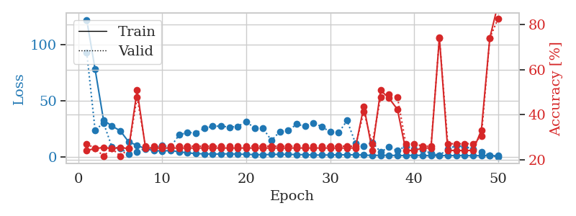
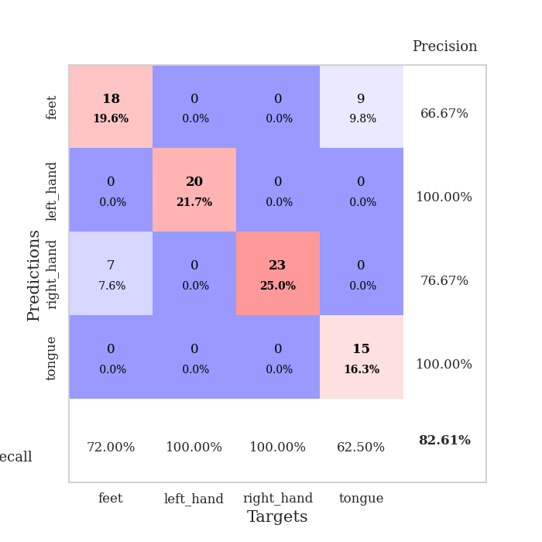
train_loss | valid_loss | train_accuracy | valid_accuracy | dur | train_misclass | valid_misclass
122.06248932 | 93.145926766 | 0.24184782609 | 0.27173913043 | 0.042916297913 | 24.184782609 | 27.173913043
77.984482574 | 23.864659019 | 0.25 | 0.25 | 0.037499666214 | 25 | 25
32.98641243 | 30.508548156 | 0.25543478261 | 0.21739130435 | 0.036287069321 | 25.543478261 | 21.739130435
27.681781006 | 9.1336539725 | 0.25 | 0.25 | 0.036375999451 | 25 | 25
23.406413078 | 7.6323438313 | 0.25543478261 | 0.21739130435 | 0.036586284637 | 25.543478261 | 21.739130435
13.552956009 | 3.0666919377 | 0.25 | 0.25 | 0.036246299744 | 25 | 25
10.556586742 | 4.9401653746 | 0.50815217391 | 0.47826086957 | 0.03590464592 | 50.815217391 | 47.826086957
7.4165481091 | 7.7462480172 | 0.2527173913 | 0.26086956522 | 0.037124872208 | 25.27173913 | 26.086956522
5.8082108498 | 8.5778583444 | 0.2527173913 | 0.26086956522 | 0.03681397438 | 25.27173913 | 26.086956522
5.5097301483 | 10.276857874 | 0.2527173913 | 0.26086956522 | 0.037028312683 | 25.27173913 | 26.086956522
5.9400850773 | 9.1565723834 | 0.2527173913 | 0.26086956522 | 0.036529541016 | 25.27173913 | 26.086956522
4.7640071869 | 19.739102405 | 0.2527173913 | 0.26086956522 | 0.036821365356 | 25.27173913 | 26.086956522
3.8699027061 | 21.960947451 | 0.2527173913 | 0.26086956522 | 0.036098241806 | 25.27173913 | 26.086956522
3.1544855118 | 21.614911453 | 0.2527173913 | 0.26086956522 | 0.036384105682 | 25.27173913 | 26.086956522
2.9629860878 | 25.554978827 | 0.2527173913 | 0.26086956522 | 0.036733627319 | 25.27173913 | 26.086956522
2.7616543293 | 27.506949383 | 0.2527173913 | 0.26086956522 | 0.037870645523 | 25.27173913 | 26.086956522
2.8645872116 | 27.600283001 | 0.2527173913 | 0.26086956522 | 0.036890506744 | 25.27173913 | 26.086956522
3.0022955418 | 26.711942839 | 0.2527173913 | 0.26086956522 | 0.037028312683 | 25.27173913 | 26.086956522
2.7511790752 | 27.360996578 | 0.2527173913 | 0.26086956522 | 0.035901069641 | 25.27173913 | 26.086956522
2.5021012783 | 31.665168513 | 0.2527173913 | 0.26086956522 | 0.036454916 | 25.27173913 | 26.086956522
2.3394088507 | 25.712015815 | 0.2527173913 | 0.26086956522 | 0.036158561707 | 25.27173913 | 26.086956522
2.1750261545 | 25.545871237 | 0.2527173913 | 0.26086956522 | 0.036527872086 | 25.27173913 | 26.086956522
2.4807446957 | 14.880137153 | 0.2527173913 | 0.26086956522 | 0.035811662674 | 25.27173913 | 26.086956522
2.5037532568 | 22.780941673 | 0.2527173913 | 0.26086956522 | 0.036423206329 | 25.27173913 | 26.086956522
2.4730494022 | 23.57873842 | 0.2527173913 | 0.26086956522 | 0.037228822708 | 25.27173913 | 26.086956522
2.3403998375 | 29.345477726 | 0.2527173913 | 0.26086956522 | 0.036727905273 | 25.27173913 | 26.086956522
2.2137129307 | 27.539185234 | 0.2527173913 | 0.26086956522 | 0.03654050827 | 25.27173913 | 26.086956522
1.9347385645 | 30.487254931 | 0.2527173913 | 0.26086956522 | 0.036585569382 | 25.27173913 | 26.086956522
1.8669527054 | 27.024900851 | 0.2527173913 | 0.26086956522 | 0.036265611649 | 25.27173913 | 26.086956522
1.9602129936 | 22.430722195 | 0.2527173913 | 0.26086956522 | 0.036129951477 | 25.27173913 | 26.086956522
2.1673353195 | 21.71263504 | 0.2527173913 | 0.26086956522 | 0.036677837372 | 25.27173913 | 26.086956522
2.0468698502 | 32.572197873 | 0.2527173913 | 0.26086956522 | 0.036440849304 | 25.27173913 | 26.086956522
2.1670934677 | 12.557298702 | 0.2527173913 | 0.26086956522 | 0.036134719849 | 25.27173913 | 26.086956522
1.9156781197 | 9.681967445 | 0.4375 | 0.41304347826 | 0.036082267761 | 43.75 | 41.304347826
1.4981136084 | 13.197309784 | 0.24184782609 | 0.27173913043 | 0.036784887314 | 24.184782609 | 27.173913043
1.7609051466 | 4.6936466798 | 0.50815217391 | 0.47826086957 | 0.036753892899 | 50.815217391 | 47.826086957
1.6830989599 | 8.8972009991 | 0.47282608696 | 0.48913043478 | 0.036305189133 | 47.282608696 | 48.913043478
1.4987173557 | 5.7203655658 | 0.42391304348 | 0.47826086957 | 0.043124675751 | 42.391304348 | 47.826086957
1.4607622385 | 9.8663909746 | 0.24184782609 | 0.27173913043 | 0.048598051071 | 24.184782609 | 27.173913043
1.7226882458 | 6.9135848128 | 0.24184782609 | 0.27173913043 | 0.036049604416 | 24.184782609 | 27.173913043
1.5380510092 | 6.4295243595 | 0.2527173913 | 0.26086956522 | 0.036362409592 | 25.27173913 | 26.086956522
1.3005618572 | 3.5258219864 | 0.2527173913 | 0.26086956522 | 0.036398410797 | 25.27173913 | 26.086956522
1.4593770027 | 1.402061084 | 0.74184782609 | 0.73913043478 | 0.036140918732 | 74.184782609 | 73.913043478
1.5042151809 | 7.3729250949 | 0.24184782609 | 0.27173913043 | 0.03672170639 | 24.184782609 | 27.173913043
1.391900003 | 10.135685423 | 0.24184782609 | 0.27173913043 | 0.036477804184 | 24.184782609 | 27.173913043
1.5173167706 | 9.2656778253 | 0.24184782609 | 0.27173913043 | 0.035962581635 | 24.184782609 | 27.173913043
1.2818562269 | 7.3378288435 | 0.24184782609 | 0.27173913043 | 0.036915779114 | 24.184782609 | 27.173913043
1.4504567146 | 4.9156508031 | 0.33152173913 | 0.30434782609 | 0.036187410355 | 33.152173913 | 30.434782609
1.4088509321 | 1.5323132069 | 0.73913043478 | 0.73913043478 | 0.036530017853 | 73.913043478 | 73.913043478
1.1902101636 | 0.35973626246 | 0.89130434783 | 0.82608695652 | 0.036230802536 | 89.130434783 | 82.608695652

Best Val accuracy is 0.8260869565217391 and Best test accuracy is 0.8275862068965517

Sheet5
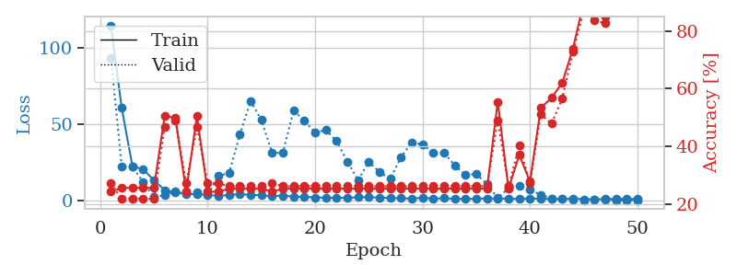
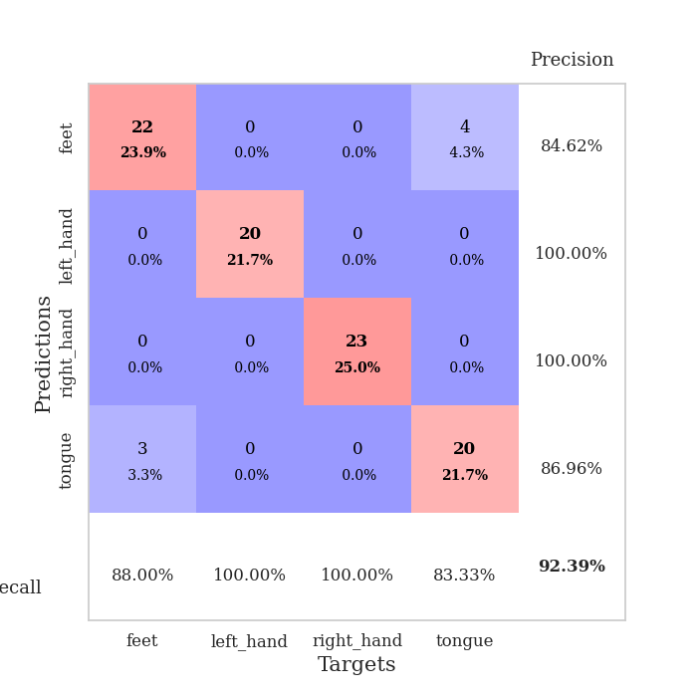
train_loss | valid_loss | train_accuracy | valid_accuracy | dur | train_misclass | valid_misclass
114.84457016 | 93.372567218 | 0.24184782609 | 0.27173913043 | 0.038512945175 | 24.184782609 | 27.173913043
60.711722565 | 22.536307376 | 0.25543478261 | 0.21739130435 | 0.036062717438 | 25.543478261 | 21.739130435
22.569130325 | 22.308416035 | 0.25543478261 | 0.21739130435 | 0.035482883453 | 25.543478261 | 21.739130435
20.590310669 | 12.040125101 | 0.25543478261 | 0.21739130435 | 0.038264274597 | 25.543478261 | 21.739130435
13.410862732 | 2.5754049343 | 0.25543478261 | 0.21739130435 | 0.035701036453 | 25.543478261 | 21.739130435
7.0013658524 | 3.4750592916 | 0.50543478261 | 0.46739130435 | 0.035655975342 | 50.543478261 | 46.739130435
5.3932171822 | 6.0958010425 | 0.4972826087 | 0.48913043478 | 0.036470651627 | 49.72826087 | 48.913043478
4.6776627541 | 4.1802339554 | 0.24184782609 | 0.27173913043 | 0.03605055809 | 24.184782609 | 27.173913043
4.0611238956 | 5.6015316092 | 0.50543478261 | 0.46739130435 | 0.035840749741 | 50.543478261 | 46.739130435
4.1040899754 | 3.5887143301 | 0.24184782609 | 0.27173913043 | 0.035685777664 | 24.184782609 | 27.173913043
2.9536086559 | 16.157501138 | 0.24184782609 | 0.27173913043 | 0.036205768585 | 24.184782609 | 27.173913043
3.95237813 | 18.247708943 | 0.2527173913 | 0.26086956522 | 0.035506248474 | 25.27173913 | 26.086956522
4.1876998425 | 43.411113739 | 0.2527173913 | 0.26086956522 | 0.036314487457 | 25.27173913 | 26.086956522
3.9418599129 | 65.281521009 | 0.2527173913 | 0.26086956522 | 0.036930322647 | 25.27173913 | 26.086956522
3.4374934673 | 52.82168944 | 0.2527173913 | 0.26086956522 | 0.036707401276 | 25.27173913 | 26.086956522
3.0381221294 | 31.474330322 | 0.24184782609 | 0.27173913043 | 0.037164211273 | 24.184782609 | 27.173913043
3.3886614084 | 31.376304461 | 0.2527173913 | 0.26086956522 | 0.037420511246 | 25.27173913 | 26.086956522
2.6876665115 | 59.143276049 | 0.2527173913 | 0.26086956522 | 0.037546873093 | 25.27173913 | 26.086956522
2.549937892 | 52.302839362 | 0.2527173913 | 0.26086956522 | 0.037184000015 | 25.27173913 | 26.086956522
2.1832214117 | 44.605363597 | 0.2527173913 | 0.26086956522 | 0.03711605072 | 25.27173913 | 26.086956522
1.9267325401 | 46.27821234 | 0.2527173913 | 0.26086956522 | 0.037113666534 | 25.27173913 | 26.086956522
1.937844944 | 39.122801573 | 0.2527173913 | 0.26086956522 | 0.036857843399 | 25.27173913 | 26.086956522
1.8451570272 | 25.703109327 | 0.2527173913 | 0.26086956522 | 0.037065982819 | 25.27173913 | 26.086956522
2.3002483606 | 13.45132069 | 0.2527173913 | 0.26086956522 | 0.037182569504 | 25.27173913 | 26.086956522
2.326380825 | 25.624070292 | 0.2527173913 | 0.26086956522 | 0.036848068237 | 25.27173913 | 26.086956522
2.0567635059 | 18.616598876 | 0.2527173913 | 0.26086956522 | 0.036954402924 | 25.27173913 | 26.086956522
1.7826012373 | 14.508436784 | 0.2527173913 | 0.26086956522 | 0.037150621414 | 25.27173913 | 26.086956522
1.6356867671 | 28.568120127 | 0.2527173913 | 0.26086956522 | 0.036714553833 | 25.27173913 | 26.086956522
1.4210032225 | 38.151778677 | 0.2527173913 | 0.26086956522 | 0.036648273468 | 25.27173913 | 26.086956522
1.9256983519 | 36.843213786 | 0.2527173913 | 0.26086956522 | 0.036934137344 | 25.27173913 | 26.086956522
1.3580688715 | 31.321152977 | 0.2527173913 | 0.26086956522 | 0.037430286407 | 25.27173913 | 26.086956522
1.6275304079 | 31.439043791 | 0.2527173913 | 0.26086956522 | 0.037113428116 | 25.27173913 | 26.086956522
1.2673521757 | 23.120510184 | 0.2527173913 | 0.26086956522 | 0.036442518234 | 25.27173913 | 26.086956522
1.2504369497 | 16.901964188 | 0.2527173913 | 0.26086956522 | 0.036772012711 | 25.27173913 | 26.086956522
1.3022439241 | 17.482619161 | 0.2527173913 | 0.26086956522 | 0.03723859787 | 25.27173913 | 26.086956522
1.5176606894 | 10.781519724 | 0.2527173913 | 0.26086956522 | 0.036540746689 | 25.27173913 | 26.086956522
1.3875404358 | 1.6825057475 | 0.55434782609 | 0.48913043478 | 0.036182165146 | 55.434782609 | 48.913043478
1.412105608 | 8.3315916683 | 0.2527173913 | 0.26086956522 | 0.037517547607 | 25.27173913 | 26.086956522
1.113836813 | 9.9206988708 | 0.36956521739 | 0.40217391304 | 0.037461280823 | 36.956521739 | 40.217391304
1.5083237648 | 7.178261902 | 0.27717391304 | 0.27173913043 | 0.036874055862 | 27.717391304 | 27.173913043
1.3270879269 | 3.8762342204 | 0.53260869565 | 0.51086956522 | 0.037414550781 | 53.260869565 | 51.086956522
1.1229372978 | 1.5592724189 | 0.56793478261 | 0.47826086957 | 0.037081956863 | 56.793478261 | 47.826086957
1.1264218926 | 1.2824492921 | 0.61956521739 | 0.5652173913 | 0.036670923233 | 61.956521739 | 56.52173913
1.3465410471 | 0.74801359228 | 0.73913043478 | 0.72826086957 | 0.037304878235 | 73.913043478 | 72.826086957
1.009427166 | 0.37553243274 | 0.89945652174 | 0.86956521739 | 0.037072896957 | 89.945652174 | 86.956521739
0.9736705184 | 0.50172649 | 0.8722826087 | 0.83695652174 | 0.037564277649 | 87.22826087 | 83.695652174
1.1330284119 | 0.61146813113 | 0.85054347826 | 0.82608695652 | 0.037340164185 | 85.054347826 | 82.608695652
1.1670500994 | 0.35801343814 | 0.90489130435 | 0.90217391304 | 0.03662610054 | 90.489130435 | 90.217391304
1.1997434139 | 0.28459467836 | 0.93206521739 | 0.89130434783 | 0.037122249603 | 93.206521739 | 89.130434783
1.1712780356 | 0.2764216506 | 0.92391304348 | 0.92391304348 | 0.037441730499 | 92.391304348 | 92.391304348

Best Val accuracy is 0.9239130434782609 and Best test accuracy is 0.896551724137931

Sheet6
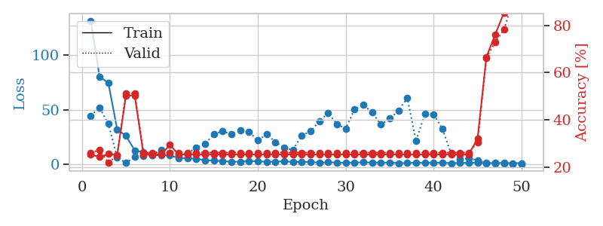
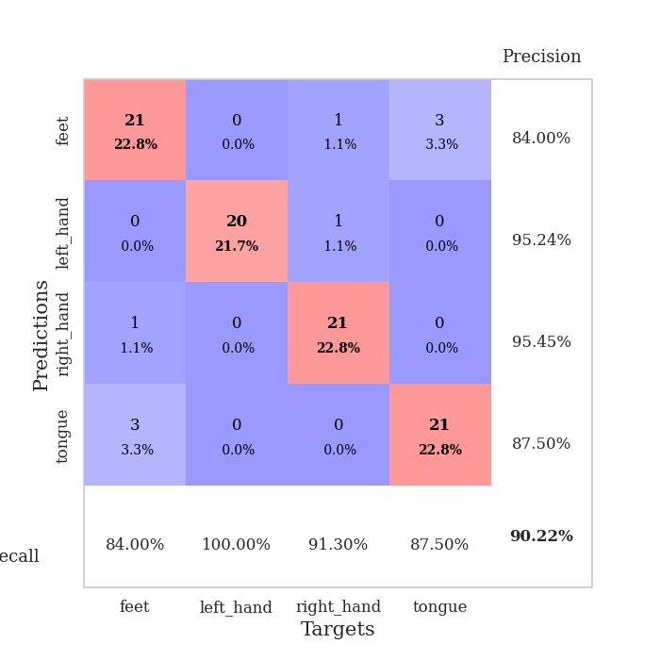
train_loss | valid_loss | train_accuracy | valid_accuracy | dur | train_misclass | valid_misclass
131.54439545 | 44.566001063 | 0.2527173913 | 0.26086956522 | 0.038314342499 | 25.27173913 | 26.086956522
80.425596619 | 51.922756361 | 0.24184782609 | 0.27173913043 | 0.035699367523 | 24.184782609 | 27.173913043
74.530594635 | 37.120709792 | 0.25543478261 | 0.21739130435 | 0.037285804749 | 25.543478261 | 21.739130435
32.115625763 | 6.4602721048 | 0.25 | 0.25 | 0.035638332367 | 25 | 25
26.095594406 | 1.1751219501 | 0.5027173913 | 0.51086956522 | 0.035464286804 | 50.27173913 | 51.086956522
12.847406483 | 7.0131872633 | 0.5027173913 | 0.51086956522 | 0.036275863647 | 50.27173913 | 51.086956522
10.998087025 | 7.5075205305 | 0.2527173913 | 0.26086956522 | 0.039575338364 | 25.27173913 | 26.086956522
8.5647993088 | 8.6520111872 | 0.2527173913 | 0.26086956522 | 0.036287546158 | 25.27173913 | 26.086956522
8.2415243149 | 12.990551202 | 0.2527173913 | 0.26086956522 | 0.036954402924 | 25.27173913 | 26.086956522
8.1942537308 | 10.363049839 | 0.29347826087 | 0.26086956522 | 0.037750005722 | 29.347826087 | 26.086956522
5.7452272892 | 8.6570066576 | 0.2527173913 | 0.26086956522 | 0.036474227905 | 25.27173913 | 26.086956522
5.6339925766 | 9.9653853955 | 0.2527173913 | 0.26086956522 | 0.037058353424 | 25.27173913 | 26.086956522
5.1610215187 | 15.359238459 | 0.2527173913 | 0.26086956522 | 0.036837816238 | 25.27173913 | 26.086956522
3.8747168541 | 18.663451651 | 0.2527173913 | 0.26086956522 | 0.036626577377 | 25.27173913 | 26.086956522
3.2433437347 | 27.823748215 | 0.2527173913 | 0.26086956522 | 0.037125587463 | 25.27173913 | 26.086956522
3.1439801693 | 30.33878542 | 0.2527173913 | 0.26086956522 | 0.036813497543 | 25.27173913 | 26.086956522
2.2572654724 | 27.435663887 | 0.2527173913 | 0.26086956522 | 0.03737950325 | 25.27173913 | 26.086956522
2.5218082905 | 30.988456311 | 0.2527173913 | 0.26086956522 | 0.037255764008 | 25.27173913 | 26.086956522
3.0043274879 | 29.759580446 | 0.2527173913 | 0.26086956522 | 0.036633968353 | 25.27173913 | 26.086956522
2.8844986916 | 21.924077573 | 0.2527173913 | 0.26086956522 | 0.037147760391 | 25.27173913 | 26.086956522
2.2336301565 | 27.777532743 | 0.2527173913 | 0.26086956522 | 0.036936044693 | 25.27173913 | 26.086956522
2.5221028328 | 20.443064399 | 0.2527173913 | 0.26086956522 | 0.037697792053 | 25.27173913 | 26.086956522
2.7778603077 | 15.126949435 | 0.2527173913 | 0.26086956522 | 0.036611557007 | 25.27173913 | 26.086956522
2.0903561115 | 13.340208178 | 0.2527173913 | 0.26086956522 | 0.038572072983 | 25.27173913 | 26.086956522
2.0901556969 | 26.542347203 | 0.2527173913 | 0.26086956522 | 0.036312103271 | 25.27173913 | 26.086956522
2.1866393566 | 30.305220314 | 0.2527173913 | 0.26086956522 | 0.036274671555 | 25.27173913 | 26.086956522
1.5039648294 | 39.335861704 | 0.2527173913 | 0.26086956522 | 0.036329984665 | 25.27173913 | 26.086956522
1.9392998934 | 47.214549687 | 0.2527173913 | 0.26086956522 | 0.036587953568 | 25.27173913 | 26.086956522
1.7154314041 | 36.745157159 | 0.2527173913 | 0.26086956522 | 0.036111831665 | 25.27173913 | 26.086956522
1.3464159727 | 32.732432075 | 0.2527173913 | 0.26086956522 | 0.036051511765 | 25.27173913 | 26.086956522
1.6074994326 | 50.374174533 | 0.2527173913 | 0.26086956522 | 0.037067890167 | 25.27173913 | 26.086956522
1.8562620401 | 54.440744981 | 0.2527173913 | 0.26086956522 | 0.036341428757 | 25.27173913 | 26.086956522
1.7555092096 | 47.66849269 | 0.2527173913 | 0.26086956522 | 0.03638958931 | 25.27173913 | 26.086956522
1.5971615791 | 36.531113003 | 0.2527173913 | 0.26086956522 | 0.036335229874 | 25.27173913 | 26.086956522
1.5983000755 | 41.860324196 | 0.2527173913 | 0.26086956522 | 0.036960840225 | 25.27173913 | 26.086956522
1.1462320566 | 49.110829063 | 0.2527173913 | 0.26086956522 | 0.036218166351 | 25.27173913 | 26.086956522
1.2117763638 | 60.857575956 | 0.2527173913 | 0.26086956522 | 0.036230802536 | 25.27173913 | 26.086956522
1.5429508686 | 21.335558021 | 0.2527173913 | 0.26086956522 | 0.036439657211 | 25.27173913 | 26.086956522
1.3642969847 | 46.317461594 | 0.2527173913 | 0.26086956522 | 0.036444187164 | 25.27173913 | 26.086956522
1.440853858 | 45.93540656 | 0.2527173913 | 0.26086956522 | 0.036632061005 | 25.27173913 | 26.086956522
1.4136743784 | 32.390693996 | 0.2527173913 | 0.26086956522 | 0.036818742752 | 25.27173913 | 26.086956522
1.1170666218 | 9.7389703004 | 0.2527173913 | 0.26086956522 | 0.036770343781 | 25.27173913 | 26.086956522
1.2316158056 | 4.7854718333 | 0.2527173913 | 0.26086956522 | 0.036859035492 | 25.27173913 | 26.086956522
1.3630445242 | 5.668348727 | 0.2527173913 | 0.26086956522 | 0.037100315094 | 25.27173913 | 26.086956522
1.4287017107 | 3.5743526583 | 0.32065217391 | 0.30434782609 | 0.036112308502 | 32.065217391 | 30.434782609
1.0678727269 | 1.5429413889 | 0.66576086957 | 0.66304347826 | 0.036363601685 | 66.576086957 | 66.304347826
1.2717076302 | 1.1178021742 | 0.76086956522 | 0.72826086957 | 0.037073850632 | 76.086956522 | 72.826086957
1.2479256749 | 0.49287850183 | 0.85326086957 | 0.78260869565 | 0.036619186401 | 85.326086957 | 78.260869565
1.1224059582 | 0.29457303493 | 0.92663043478 | 0.90217391304 | 0.036479473114 | 92.663043478 | 90.217391304
1.124655211 | 0.31103708174 | 0.90489130435 | 0.89130434783 | 0.036986351013 | 90.489130435 | 89.130434783

Best Val accuracy is 0.9021739130434783 and Best test accuracy is 0.9396551724137931

Sheet7
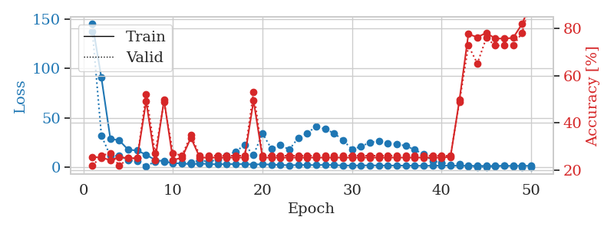
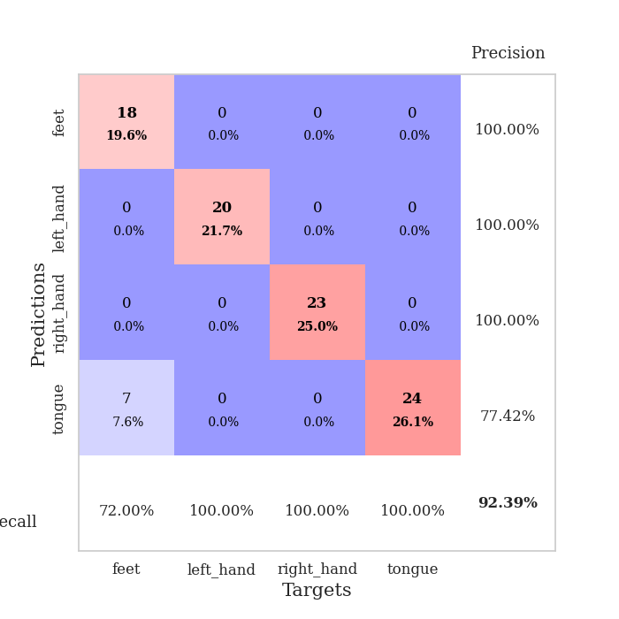
train_loss | valid_loss | train_accuracy | valid_accuracy | dur | train_misclass | valid_misclass
144.79987259 | 137.04491325 | 0.25543478261 | 0.21739130435 | 0.037901639938 | 25.543478261 | 21.739130435
90.55419693 | 32.030049283 | 0.2527173913 | 0.26086956522 | 0.035862445831 | 25.27173913 | 26.086956522
28.940783882 | 11.599969864 | 0.24184782609 | 0.27173913043 | 0.035628557205 | 24.184782609 | 27.173913043
27.15459137 | 11.562213068 | 0.25543478261 | 0.21739130435 | 0.03559422493 | 25.543478261 | 21.739130435
17.737608671 | 7.1525947737 | 0.25 | 0.25 | 0.035535812378 | 25 | 25
17.063975716 | 6.2897178194 | 0.25 | 0.25 | 0.035901069641 | 25 | 25
12.68497467 | 1.0842305629 | 0.49184782609 | 0.52173913043 | 0.035952091217 | 49.184782609 | 52.173913043
7.4178334236 | 6.0056140112 | 0.24184782609 | 0.27173913043 | 0.036123991013 | 24.184782609 | 27.173913043
6.2150588989 | 5.4773934406 | 0.4972826087 | 0.48913043478 | 0.036117076874 | 49.72826087 | 48.913043478
3.9867535114 | 6.5175120105 | 0.24184782609 | 0.27173913043 | 0.035775899887 | 24.184782609 | 27.173913043
4.2050560951 | 3.9276315129 | 0.2527173913 | 0.26086956522 | 0.03568148613 | 25.27173913 | 26.086956522
2.9209033012 | 5.0350680559 | 0.33695652174 | 0.34782608696 | 0.036376237869 | 33.695652174 | 34.782608696
3.9168164253 | 6.9148587766 | 0.2527173913 | 0.26086956522 | 0.035700082779 | 25.27173913 | 26.086956522
3.2684572697 | 5.7839210966 | 0.2527173913 | 0.26086956522 | 0.035605430603 | 25.27173913 | 26.086956522
3.0483291626 | 7.9311155858 | 0.2527173913 | 0.26086956522 | 0.036215543747 | 25.27173913 | 26.086956522
3.3141113758 | 11.703032784 | 0.2527173913 | 0.26086956522 | 0.03573012352 | 25.27173913 | 26.086956522
3.2577345848 | 16.073555241 | 0.2527173913 | 0.26086956522 | 0.035986661911 | 25.27173913 | 26.086956522
3.3654146194 | 22.429645207 | 0.2527173913 | 0.26086956522 | 0.035832881927 | 25.27173913 | 26.086956522
2.8455211163 | 12.623475531 | 0.49456521739 | 0.53260869565 | 0.035827636719 | 49.456521739 | 53.260869565
3.2320220947 | 34.293633171 | 0.2527173913 | 0.26086956522 | 0.037627696991 | 25.27173913 | 26.086956522
2.6630746603 | 18.619947599 | 0.2527173913 | 0.26086956522 | 0.035819292068 | 25.27173913 | 26.086956522
2.5017760754 | 22.44646006 | 0.2527173913 | 0.26086956522 | 0.036260843277 | 25.27173913 | 26.086956522
2.0862456799 | 17.960235015 | 0.2527173913 | 0.26086956522 | 0.035893678665 | 25.27173913 | 26.086956522
2.3737172842 | 29.949911615 | 0.2527173913 | 0.26086956522 | 0.035700798035 | 25.27173913 | 26.086956522
2.420583725 | 34.502600794 | 0.2527173913 | 0.26086956522 | 0.036234378815 | 25.27173913 | 26.086956522
2.2449461937 | 41.47694314 | 0.2527173913 | 0.26086956522 | 0.035779237747 | 25.27173913 | 26.086956522
2.5649401903 | 38.688676088 | 0.2527173913 | 0.26086956522 | 0.035807847977 | 25.27173913 | 26.086956522
2.32178545 | 34.439230546 | 0.2527173913 | 0.26086956522 | 0.035881757736 | 25.27173913 | 26.086956522
1.8655757427 | 27.34291002 | 0.2527173913 | 0.26086956522 | 0.036520242691 | 25.27173913 | 26.086956522
1.8318516016 | 18.167785727 | 0.2527173913 | 0.26086956522 | 0.035532474518 | 25.27173913 | 26.086956522
1.9067626476 | 21.05786647 | 0.2527173913 | 0.26086956522 | 0.035964012146 | 25.27173913 | 26.086956522
1.9920192719 | 25.174445028 | 0.2527173913 | 0.26086956522 | 0.036366939545 | 25.27173913 | 26.086956522
1.9068670988 | 26.480942933 | 0.2527173913 | 0.26086956522 | 0.036354541779 | 25.27173913 | 26.086956522
1.7676851511 | 24.380395226 | 0.2527173913 | 0.26086956522 | 0.036235332489 | 25.27173913 | 26.086956522
1.8947756052 | 23.502610746 | 0.2527173913 | 0.26086956522 | 0.035995006561 | 25.27173913 | 26.086956522
1.6700095415 | 21.737199617 | 0.2527173913 | 0.26086956522 | 0.036237239838 | 25.27173913 | 26.086956522
1.69042871 | 17.790517227 | 0.2527173913 | 0.26086956522 | 0.036202669144 | 25.27173913 | 26.086956522
1.4863582134 | 13.26331375 | 0.2527173913 | 0.26086956522 | 0.03601360321 | 25.27173913 | 26.086956522
1.7067407131 | 6.3115917081 | 0.2527173913 | 0.26086956522 | 0.036637783051 | 25.27173913 | 26.086956522
1.7960412502 | 4.7461059612 | 0.2527173913 | 0.26086956522 | 0.03600859642 | 25.27173913 | 26.086956522
1.726570344 | 2.7052609506 | 0.25543478261 | 0.26086956522 | 0.03591632843 | 25.543478261 | 26.086956522
1.5876504183 | 3.3320325458 | 0.4972826087 | 0.48913043478 | 0.036557197571 | 49.72826087 | 48.913043478
1.5789870262 | 0.798198928 | 0.77717391304 | 0.72826086957 | 0.036000728607 | 77.717391304 | 72.826086957
1.535127759 | 0.57259601095 | 0.76358695652 | 0.65217391304 | 0.039160251617 | 76.358695652 | 65.217391304
1.4859857798 | 0.43542073991 | 0.78260869565 | 0.76086956522 | 0.036514282227 | 78.260869565 | 76.086956522
1.4051088572 | 0.94417824952 | 0.75815217391 | 0.72826086957 | 0.03645658493 | 75.815217391 | 72.826086957
1.6192599773 | 1.4736582818 | 0.75815217391 | 0.72826086957 | 0.035797834396 | 75.815217391 | 72.826086957
1.419588542 | 0.74366882832 | 0.76086956522 | 0.72826086957 | 0.036414384842 | 76.086956522 | 72.826086957
1.5315667629 | 0.42613238874 | 0.82065217391 | 0.78260869565 | 0.035933971405 | 82.065217391 | 78.260869565
1.4762666464 | 0.25903030841 | 0.91032608696 | 0.92391304348 | 0.036732196808 | 91.032608696 | 92.391304348

Best Val accuracy is 0.9239130434782609 and Best test accuracy is 0.8706896551724138

Sheet8
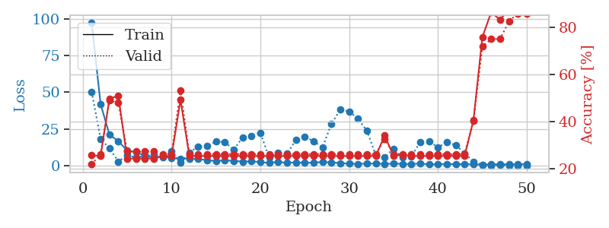
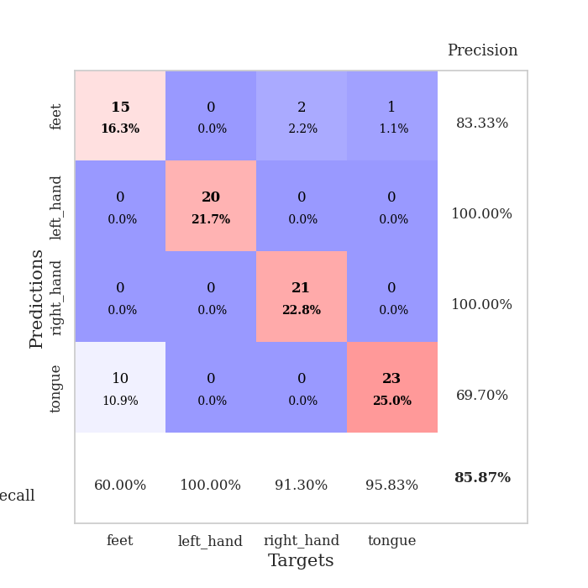
train_loss | valid_loss | train_accuracy | valid_accuracy | dur | train_misclass | valid_misclass
97.256444931 | 50.335323997 | 0.25543478261 | 0.21739130435 | 0.039717197418 | 25.543478261 | 21.739130435
42.108999252 | 18.478947598 | 0.2527173913 | 0.26086956522 | 0.038437843323 | 25.27173913 | 26.086956522
21.243934441 | 11.987184234 | 0.4972826087 | 0.48913043478 | 0.037127017975 | 49.72826087 | 48.913043478
16.858492279 | 3.0427670997 | 0.50815217391 | 0.47826086957 | 0.036974430084 | 50.815217391 | 47.826086957
10.436158752 | 7.4193557242 | 0.24184782609 | 0.27173913043 | 0.036541223526 | 24.184782609 | 27.173913043
9.5018053055 | 5.6703040082 | 0.24184782609 | 0.27173913043 | 0.03648853302 | 24.184782609 | 27.173913043
6.8719672203 | 6.9027788328 | 0.24184782609 | 0.27173913043 | 0.039354324341 | 24.184782609 | 27.173913043
5.7350418091 | 7.6637033587 | 0.24184782609 | 0.27173913043 | 0.036284446716 | 24.184782609 | 27.173913043
6.490348053 | 5.7452704181 | 0.2527173913 | 0.26086956522 | 0.039214611053 | 25.27173913 | 26.086956522
5.2429406166 | 9.9779887407 | 0.2527173913 | 0.26086956522 | 0.036376714706 | 25.27173913 | 26.086956522
5.0323273182 | 2.0916782358 | 0.49184782609 | 0.53260869565 | 0.036144971848 | 49.184782609 | 53.260869565
5.0240641117 | 9.165198492 | 0.2527173913 | 0.26086956522 | 0.038773298264 | 25.27173913 | 26.086956522
4.7593265533 | 13.195966057 | 0.2527173913 | 0.26086956522 | 0.036445140839 | 25.27173913 | 26.086956522
3.9263885021 | 13.804082207 | 0.2527173913 | 0.26086956522 | 0.03636097908 | 25.27173913 | 26.086956522
3.385557127 | 16.462510897 | 0.2527173913 | 0.26086956522 | 0.036079645157 | 25.27173913 | 26.086956522
3.8321657181 | 16.261308463 | 0.2527173913 | 0.26086956522 | 0.036739587784 | 25.27173913 | 26.086956522
3.4920035839 | 10.98472533 | 0.2527173913 | 0.26086956522 | 0.036427736282 | 25.27173913 | 26.086956522
2.9771038055 | 19.483310617 | 0.2527173913 | 0.26086956522 | 0.0364382267 | 25.27173913 | 26.086956522
3.1811825752 | 20.460433048 | 0.2527173913 | 0.26086956522 | 0.036585330963 | 25.27173913 | 26.086956522
2.6275350332 | 22.323257944 | 0.2527173913 | 0.26086956522 | 0.036172628403 | 25.27173913 | 26.086956522
2.092376256 | 5.7505731375 | 0.2527173913 | 0.26086956522 | 0.03636264801 | 25.27173913 | 26.086956522
2.8727504253 | 8.9880460242 | 0.2527173913 | 0.26086956522 | 0.036741018295 | 25.27173913 | 26.086956522
2.0238971472 | 8.3113179207 | 0.2527173913 | 0.26086956522 | 0.036313772202 | 25.27173913 | 26.086956522
2.5296314716 | 17.779286509 | 0.2527173913 | 0.26086956522 | 0.036334991455 | 25.27173913 | 26.086956522
2.0820080996 | 20.00353299 | 0.2527173913 | 0.26086956522 | 0.038329362869 | 25.27173913 | 26.086956522
2.3364901066 | 16.705258826 | 0.2527173913 | 0.26086956522 | 0.037940263748 | 25.27173913 | 26.086956522
2.6267118931 | 12.681483186 | 0.2527173913 | 0.26086956522 | 0.038379430771 | 25.27173913 | 26.086956522
2.4880870819 | 28.440202547 | 0.2527173913 | 0.26086956522 | 0.038247108459 | 25.27173913 | 26.086956522
1.9350869417 | 38.412723541 | 0.2527173913 | 0.26086956522 | 0.038712263107 | 25.27173913 | 26.086956522
1.5414217949 | 36.99709121 | 0.2527173913 | 0.26086956522 | 0.039135694504 | 25.27173913 | 26.086956522
1.4622379065 | 32.031180257 | 0.2527173913 | 0.26086956522 | 0.041594743729 | 25.27173913 | 26.086956522
1.6174909115 | 23.874242866 | 0.2527173913 | 0.26086956522 | 0.038196802139 | 25.27173913 | 26.086956522
1.6167011499 | 7.3979403869 | 0.2527173913 | 0.26086956522 | 0.038833856583 | 25.27173913 | 26.086956522
1.426634419 | 6.042354252 | 0.33967391304 | 0.32608695652 | 0.038454294205 | 33.967391304 | 32.608695652
1.5917832851 | 11.792810108 | 0.2527173913 | 0.26086956522 | 0.039302825928 | 25.27173913 | 26.086956522
1.4825897694 | 5.6879960558 | 0.25815217391 | 0.26086956522 | 0.038609027863 | 25.815217391 | 26.086956522
1.2804714203 | 6.5249489079 | 0.2527173913 | 0.26086956522 | 0.037769556046 | 25.27173913 | 26.086956522
1.6891883135 | 16.018251792 | 0.2527173913 | 0.26086956522 | 0.038591384888 | 25.27173913 | 26.086956522
1.0797140956 | 16.882084722 | 0.2527173913 | 0.26086956522 | 0.037679672241 | 25.27173913 | 26.086956522
1.2370237231 | 12.672029661 | 0.2527173913 | 0.26086956522 | 0.037847280502 | 25.27173913 | 26.086956522
1.3260147333 | 16.10490857 | 0.2527173913 | 0.26086956522 | 0.037851333618 | 25.27173913 | 26.086956522
1.2177652597 | 14.207880559 | 0.2527173913 | 0.26086956522 | 0.03804063797 | 25.27173913 | 26.086956522
1.2611239672 | 8.5619328126 | 0.2527173913 | 0.26086956522 | 0.037758111954 | 25.27173913 | 26.086956522
1.1236434102 | 2.9615412484 | 0.40489130435 | 0.40217391304 | 0.037827014923 | 40.489130435 | 40.217391304
0.87074477673 | 0.77240585244 | 0.75815217391 | 0.71739130435 | 0.038595676422 | 75.815217391 | 71.739130435
1.1769873261 | 0.45477011411 | 0.86413043478 | 0.75 | 0.039139270782 | 86.413043478 | 75
1.0996220946 | 0.5208630199 | 0.83152173913 | 0.75 | 0.038716316223 | 83.152173913 | 75
1.2088612676 | 0.44140407832 | 0.8777173913 | 0.82608695652 | 0.038679122925 | 87.77173913 | 82.608695652
1.1317831755 | 0.34527494078 | 0.91032608696 | 0.85869565217 | 0.038879394531 | 91.032608696 | 85.869565217
1.3141427279 | 0.29141615526 | 0.93206521739 | 0.85869565217 | 0.038839101791 | 93.206521739 | 85.869565217

Best Val accuracy is 0.8586956521739131 and Best test accuracy is 0.8620689655172413

Sheet9
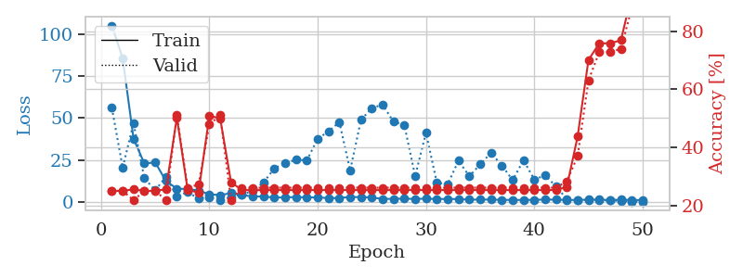
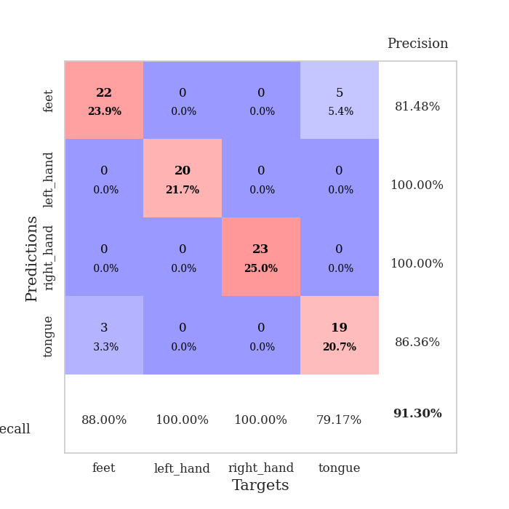
train_loss | valid_loss | train_accuracy | valid_accuracy | dur | train_misclass | valid_misclass
105.07065392 | 56.079225126 | 0.25 | 0.25 | 0.039955854416 | 25 | 25
85.498947906 | 20.510574921 | 0.25 | 0.25 | 0.038001775742 | 25 | 25
37.800059509 | 46.933667556 | 0.25543478261 | 0.21739130435 | 0.038363218307 | 25.543478261 | 21.739130435
22.98585453 | 14.313753335 | 0.25 | 0.25 | 0.042471408844 | 25 | 25
23.637463379 | 7.0404901297 | 0.25 | 0.25 | 0.037865400314 | 25 | 25
12.582464218 | 15.16062127 | 0.25543478261 | 0.21739130435 | 0.03879237175 | 25.543478261 | 21.739130435
8.0295485497 | 3.6346308148 | 0.5027173913 | 0.51086956522 | 0.038779735565 | 50.27173913 | 51.086956522
7.8393533707 | 5.9239813763 | 0.2527173913 | 0.26086956522 | 0.039832830429 | 25.27173913 | 26.086956522
6.9415541649 | 2.2878424396 | 0.24456521739 | 0.27173913043 | 0.039417266846 | 24.456521739 | 27.173913043
4.7052453995 | 2.937520815 | 0.50815217391 | 0.47826086957 | 0.038917303085 | 50.815217391 | 47.826086957
4.228049612 | 1.2368866413 | 0.5 | 0.51086956522 | 0.04182434082 | 50 | 51.086956522
5.3741379261 | 3.1080298838 | 0.27989130435 | 0.21739130435 | 0.038765192032 | 27.989130435 | 21.739130435
4.2424982071 | 4.6480447935 | 0.2527173913 | 0.26086956522 | 0.039499044418 | 25.27173913 | 26.086956522
3.4105622768 | 6.5678573484 | 0.2527173913 | 0.26086956522 | 0.041055440903 | 25.27173913 | 26.086956522
3.3920409679 | 11.664668083 | 0.2527173913 | 0.26086956522 | 0.039473772049 | 25.27173913 | 26.086956522
2.7381801367 | 20.15732732 | 0.2527173913 | 0.26086956522 | 0.039234399796 | 25.27173913 | 26.086956522
2.8389727116 | 23.162460825 | 0.2527173913 | 0.26086956522 | 0.039493322372 | 25.27173913 | 26.086956522
3.0634485245 | 25.281321816 | 0.2527173913 | 0.26086956522 | 0.038456678391 | 25.27173913 | 26.086956522
2.83579216 | 24.886237766 | 0.2527173913 | 0.26086956522 | 0.039021730423 | 25.27173913 | 26.086956522
2.8478251457 | 37.716290184 | 0.2527173913 | 0.26086956522 | 0.041895627975 | 25.27173913 | 26.086956522
2.435854435 | 42.121583524 | 0.2527173913 | 0.26086956522 | 0.039776563644 | 25.27173913 | 26.086956522
2.5659324169 | 47.607374274 | 0.2527173913 | 0.26086956522 | 0.039844274521 | 25.27173913 | 26.086956522
3.0345024586 | 18.9378002 | 0.2527173913 | 0.26086956522 | 0.04120182991 | 25.27173913 | 26.086956522
3.0523411274 | 48.968671218 | 0.2527173913 | 0.26086956522 | 0.041471004486 | 25.27173913 | 26.086956522
2.7992508888 | 55.939580005 | 0.2527173913 | 0.26086956522 | 0.03751707077 | 25.27173913 | 26.086956522
1.9160865068 | 58.033270297 | 0.2527173913 | 0.26086956522 | 0.039053440094 | 25.27173913 | 26.086956522
2.0145840168 | 47.813074195 | 0.2527173913 | 0.26086956522 | 0.038013458252 | 25.27173913 | 26.086956522
2.0955924511 | 45.989130435 | 0.2527173913 | 0.26086956522 | 0.038905143738 | 25.27173913 | 26.086956522
1.9325493336 | 15.504476174 | 0.2527173913 | 0.26086956522 | 0.038575410843 | 25.27173913 | 26.086956522
2.0948037148 | 41.257389069 | 0.2527173913 | 0.26086956522 | 0.038572072983 | 25.27173913 | 26.086956522
1.8788576365 | 11.619974219 | 0.2527173913 | 0.26086956522 | 0.038297176361 | 25.27173913 | 26.086956522
1.9360411644 | 10.630707492 | 0.2527173913 | 0.26086956522 | 0.037448644638 | 25.27173913 | 26.086956522
1.841755724 | 24.648860848 | 0.2527173913 | 0.26086956522 | 0.037188768387 | 25.27173913 | 26.086956522
1.5037659407 | 15.478408606 | 0.2527173913 | 0.26086956522 | 0.037880182266 | 25.27173913 | 26.086956522
1.5475564718 | 22.4434156 | 0.2527173913 | 0.26086956522 | 0.036779642105 | 25.27173913 | 26.086956522
1.5494920611 | 29.377558003 | 0.2527173913 | 0.26086956522 | 0.037512302399 | 25.27173913 | 26.086956522
1.402238059 | 21.866446619 | 0.2527173913 | 0.26086956522 | 0.038414955139 | 25.27173913 | 26.086956522
1.3180839062 | 13.11234582 | 0.2527173913 | 0.26086956522 | 0.038376092911 | 25.27173913 | 26.086956522
1.3372552276 | 24.961208675 | 0.2527173913 | 0.26086956522 | 0.037043571472 | 25.27173913 | 26.086956522
1.3976419091 | 13.486766732 | 0.2527173913 | 0.26086956522 | 0.039602518082 | 25.27173913 | 26.086956522
1.5823250055 | 15.976598035 | 0.2527173913 | 0.26086956522 | 0.037772893906 | 25.27173913 | 26.086956522
1.4978089809 | 9.4274393994 | 0.2527173913 | 0.26086956522 | 0.037165403366 | 25.27173913 | 26.086956522
1.3219924212 | 1.9040461053 | 0.26358695652 | 0.28260869565 | 0.037075996399 | 26.358695652 | 28.260869565
1.3216278195 | 1.1666688453 | 0.4375 | 0.36956521739 | 0.037959814072 | 43.75 | 36.956521739
1.5293053865 | 1.2637695644 | 0.70108695652 | 0.63043478261 | 0.036871194839 | 70.108695652 | 63.043478261
1.5528930664 | 1.1595130744 | 0.75815217391 | 0.72826086957 | 0.036945104599 | 75.815217391 | 72.826086957
1.2882561088 | 1.0736959914 | 0.75815217391 | 0.72826086957 | 0.036615371704 | 75.815217391 | 72.826086957
1.5077793121 | 0.75844070704 | 0.76902173913 | 0.73913043478 | 0.036685228348 | 76.902173913 | 73.913043478
1.3186665893 | 0.29985086555 | 0.92663043478 | 0.88043478261 | 0.037412881851 | 92.663043478 | 88.043478261
1.2522346854 | 0.24926091925 | 0.92391304348 | 0.91304347826 | 0.037317276001 | 92.391304348 | 91.304347826

Best Val accuracy is 0.9130434782608695 and Best test accuracy is 0.9310344827586207

Sheet10
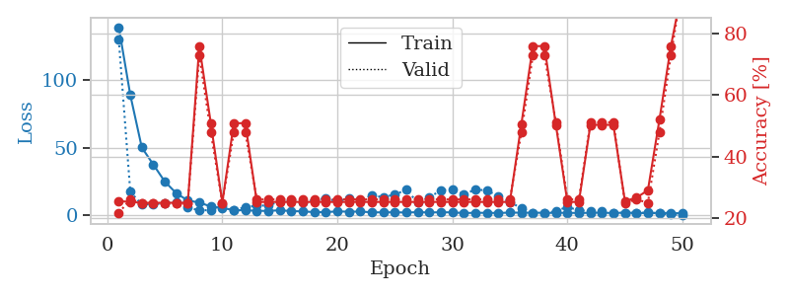
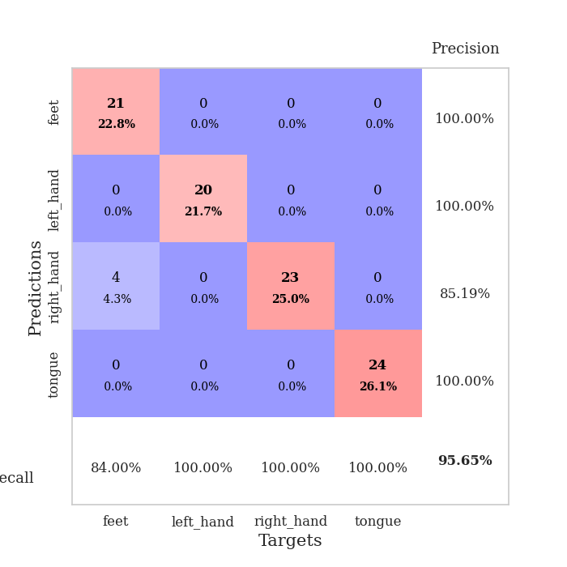
train_loss | valid_loss | train_accuracy | valid_accuracy | dur | train_misclass | valid_misclass
139.23986969 | 129.83131077 | 0.25543478261 | 0.21739130435 | 0.039315223694 | 25.543478261 | 21.739130435
89.065840149 | 17.361737044 | 0.2527173913 | 0.26086956522 | 0.037072896957 | 25.27173913 | 26.086956522
50.161952209 | 7.9014603988 | 0.25 | 0.25 | 0.036602497101 | 25 | 25
37.557243347 | 8.2260056993 | 0.25 | 0.25 | 0.036250352859 | 25 | 25
24.922608185 | 8.9222876507 | 0.25 | 0.25 | 0.036744117737 | 25 | 25
16.302632904 | 9.9551406114 | 0.25 | 0.25 | 0.036379337311 | 25 | 25
10.884432507 | 5.6550220407 | 0.25 | 0.25 | 0.036449432373 | 25 | 25
9.4477303505 | 3.6376630016 | 0.75815217391 | 0.72826086957 | 0.036856412888 | 75.815217391 | 72.826086957
6.4390692711 | 3.7806693886 | 0.50815217391 | 0.47826086957 | 0.036831140518 | 50.815217391 | 47.826086957
5.3992216587 | 7.583317031 | 0.25 | 0.25 | 0.036481380463 | 25 | 25
3.7950018406 | 3.9246757549 | 0.50815217391 | 0.47826086957 | 0.03641462326 | 50.815217391 | 47.826086957
3.6682265759 | 5.9295581113 | 0.50815217391 | 0.47826086957 | 0.036678552628 | 50.815217391 | 47.826086957
3.3204796314 | 7.1395088279 | 0.2527173913 | 0.26086956522 | 0.036505937576 | 25.27173913 | 26.086956522
3.1856713295 | 7.1959941698 | 0.2527173913 | 0.26086956522 | 0.036316394806 | 25.27173913 | 26.086956522
3.7113489628 | 10.301188179 | 0.2527173913 | 0.26086956522 | 0.036448955536 | 25.27173913 | 26.086956522
3.0318399429 | 10.775164646 | 0.2527173913 | 0.26086956522 | 0.036509275436 | 25.27173913 | 26.086956522
2.881862402 | 9.7853068891 | 0.2527173913 | 0.26086956522 | 0.036327600479 | 25.27173913 | 26.086956522
2.2746125937 | 11.32448072 | 0.2527173913 | 0.26086956522 | 0.037086725235 | 25.27173913 | 26.086956522
2.331061697 | 12.721179672 | 0.2527173913 | 0.26086956522 | 0.036573171616 | 25.27173913 | 26.086956522
2.839994669 | 10.037512738 | 0.2527173913 | 0.26086956522 | 0.036276817322 | 25.27173913 | 26.086956522
2.6506084919 | 12.778351784 | 0.2527173913 | 0.26086956522 | 0.036969184875 | 25.27173913 | 26.086956522
2.714386797 | 10.992632244 | 0.2527173913 | 0.26086956522 | 0.036560058594 | 25.27173913 | 26.086956522
2.1824572086 | 14.574115504 | 0.2527173913 | 0.26086956522 | 0.036534547806 | 25.27173913 | 26.086956522
2.1158561707 | 13.415998998 | 0.2527173913 | 0.26086956522 | 0.037013053894 | 25.27173913 | 26.086956522
2.2183503151 | 15.328400363 | 0.2527173913 | 0.26086956522 | 0.03661775589 | 25.27173913 | 26.086956522
1.9800617456 | 18.867604961 | 0.2527173913 | 0.26086956522 | 0.036446094513 | 25.27173913 | 26.086956522
2.3054812193 | 9.2970121218 | 0.2527173913 | 0.26086956522 | 0.037300825119 | 25.27173913 | 26.086956522
2.0398136139 | 13.126146151 | 0.2527173913 | 0.26086956522 | 0.036394834518 | 25.27173913 | 26.086956522
2.2374518156 | 18.591413083 | 0.2527173913 | 0.26086956522 | 0.036420583725 | 25.27173913 | 26.086956522
2.1063789606 | 18.843499889 | 0.2527173913 | 0.26086956522 | 0.036804914474 | 25.27173913 | 26.086956522
1.6348677635 | 15.568981668 | 0.2527173913 | 0.26086956522 | 0.036340236664 | 25.27173913 | 26.086956522
1.8161078215 | 18.938228524 | 0.2527173913 | 0.26086956522 | 0.036364078522 | 25.27173913 | 26.086956522
1.7970050097 | 18.484666576 | 0.2527173913 | 0.26086956522 | 0.037523269653 | 25.27173913 | 26.086956522
1.6798040152 | 14.065916849 | 0.2527173913 | 0.26086956522 | 0.036781787872 | 25.27173913 | 26.086956522
1.9525023699 | 9.751295297 | 0.2527173913 | 0.26086956522 | 0.038864135742 | 25.27173913 | 26.086956522
1.9116223812 | 5.274211386 | 0.50543478261 | 0.47826086957 | 0.036259174347 | 50.543478261 | 47.826086957
1.9029065847 | 1.55019629 | 0.75815217391 | 0.72826086957 | 0.03640127182 | 75.815217391 | 72.826086957
1.8346862316 | 1.4239785619 | 0.75815217391 | 0.72826086957 | 0.036326408386 | 75.815217391 | 72.826086957
1.7203107357 | 3.1519427196 | 0.5027173913 | 0.51086956522 | 0.036474227905 | 50.27173913 | 51.086956522
1.8692756176 | 6.1529649237 | 0.2527173913 | 0.26086956522 | 0.037780761719 | 25.27173913 | 26.086956522
1.6248016357 | 3.5877732609 | 0.2527173913 | 0.26086956522 | 0.038255691528 | 25.27173913 | 26.086956522
1.8266512871 | 3.2022866684 | 0.5027173913 | 0.51086956522 | 0.037717819214 | 50.27173913 | 51.086956522
1.8958293676 | 2.771433312 | 0.5027173913 | 0.51086956522 | 0.038115739822 | 50.27173913 | 51.086956522
1.649435544 | 1.834513177 | 0.5027173913 | 0.51086956522 | 0.038125038147 | 50.27173913 | 51.086956522
1.9365686178 | 1.852084616 | 0.25543478261 | 0.25 | 0.037913799286 | 25.543478261 | 25
1.7426245213 | 1.7447414139 | 0.26630434783 | 0.26086956522 | 0.038276195526 | 26.630434783 | 26.086956522
1.6219395161 | 1.9527228967 | 0.29076086957 | 0.25 | 0.03782582283 | 29.076086957 | 25
1.8215808868 | 1.321471064 | 0.51902173913 | 0.47826086957 | 0.037575483322 | 51.902173913 | 47.826086957
1.6436693668 | 0.53558559003 | 0.75815217391 | 0.72826086957 | 0.038242101669 | 75.815217391 | 72.826086957
1.4208193064 | 0.31015945258 | 0.94836956522 | 0.95652173913 | 0.038219690323 | 94.836956522 | 95.652173913

Best Val accuracy is 0.9565217391304348 and Best test accuracy is 0.9310344827586207

