Sheet
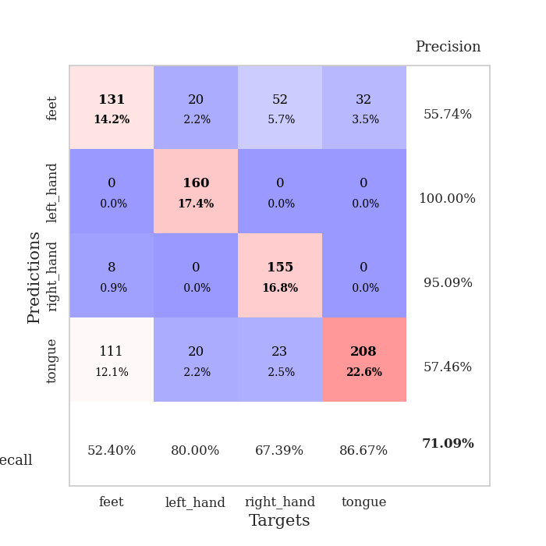
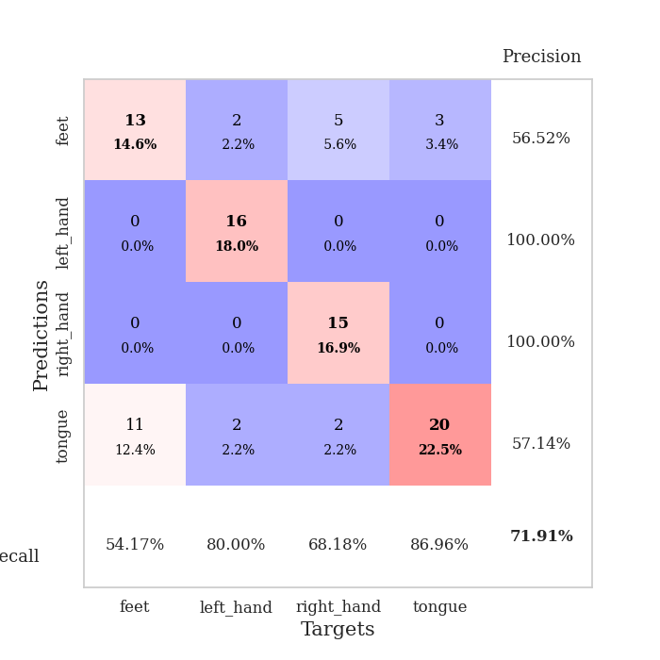
best_val_acc | best_val_los | best_test_acc
0.82608695652 | 0.51560320802 | 0.85344827586
0.85869565217 | 0.41969503527 | 0.83620689655
0.83695652174 | 0.52386993429 | 0.81034482759
0.85869565217 | 0.32303369693 | 0.81034482759
0.77173913043 | 0.43528708168 | 0.80172413793
0.26086956522 | 3.1326406209 | 0.23275862069
0.73913043478 | 0.4239278954 | 0.80172413793
0.84782608696 | 0.35850262642 | 0.87068965517
0.27173913043 | 7.9009122019 | 0.25862068966
0.83695652174 | 0.38421245243 | 0.89655172414

Mean,std Val accuracy is 0.7108695652173913 , 0.23743359323214372 and mean, std test accuracy is 0.7172413793103448 , 0.25057075816767815

Sheet1
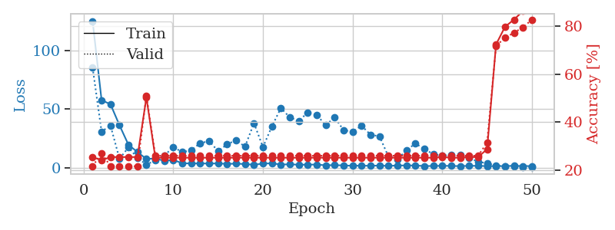
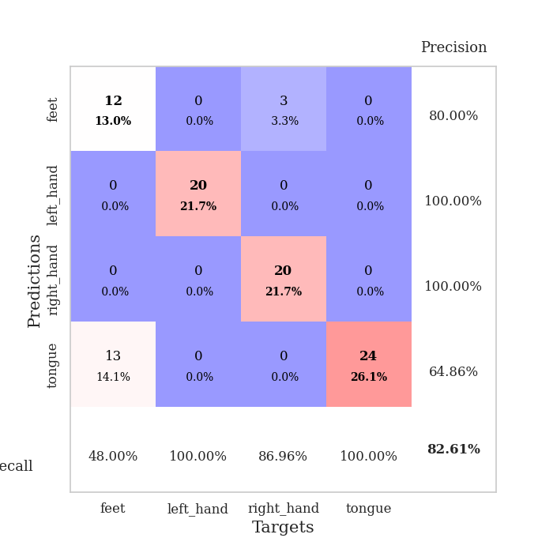
train_loss | valid_loss | train_accuracy | valid_accuracy | dur | train_misclass | valid_misclass
125.40592499 | 85.587381778 | 0.25543478261 | 0.21739130435 | 0.036547422409 | 25.543478261 | 21.739130435
57.777162933 | 30.854163294 | 0.24184782609 | 0.27173913043 | 0.03804564476 | 24.184782609 | 27.173913043
54.123123169 | 35.85151888 | 0.25543478261 | 0.21739130435 | 0.035529375076 | 25.543478261 | 21.739130435
36.197382927 | 7.4625866517 | 0.25543478261 | 0.21739130435 | 0.035786151886 | 25.543478261 | 21.739130435
19.496946335 | 17.256301382 | 0.25543478261 | 0.21739130435 | 0.036244153976 | 25.543478261 | 21.739130435
13.282843781 | 8.2053592101 | 0.25543478261 | 0.21739130435 | 0.035338640213 | 25.543478261 | 21.739130435
7.3507637024 | 2.6242283427 | 0.5027173913 | 0.51086956522 | 0.036277770996 | 50.27173913 | 51.086956522
7.7744468689 | 5.9935713851 | 0.2527173913 | 0.26086956522 | 0.035824775696 | 25.27173913 | 26.086956522
5.7624570847 | 10.23202241 | 0.2527173913 | 0.26086956522 | 0.035708665848 | 25.27173913 | 26.086956522
6.5208278656 | 17.562162814 | 0.2527173913 | 0.26086956522 | 0.035759210587 | 25.27173913 | 26.086956522
3.6628130436 | 13.191331159 | 0.2527173913 | 0.26086956522 | 0.035631895065 | 25.27173913 | 26.086956522
3.4919960976 | 14.816752931 | 0.2527173913 | 0.26086956522 | 0.035623788834 | 25.27173913 | 26.086956522
3.5273745775 | 20.914196678 | 0.2527173913 | 0.26086956522 | 0.035815954208 | 25.27173913 | 26.086956522
3.4244752407 | 22.563629399 | 0.2527173913 | 0.26086956522 | 0.03596830368 | 25.27173913 | 26.086956522
3.5380665302 | 14.090683522 | 0.2527173913 | 0.26086956522 | 0.035507678986 | 25.27173913 | 26.086956522
3.1362487316 | 19.852282566 | 0.2527173913 | 0.26086956522 | 0.035549879074 | 25.27173913 | 26.086956522
3.3496906281 | 23.482024981 | 0.2527173913 | 0.26086956522 | 0.035851478577 | 25.27173913 | 26.086956522
2.9904329777 | 17.862287273 | 0.2527173913 | 0.26086956522 | 0.036414146423 | 25.27173913 | 26.086956522
2.3993780613 | 38.088977316 | 0.2527173913 | 0.26086956522 | 0.035843372345 | 25.27173913 | 26.086956522
3.3621065378 | 17.476608691 | 0.2527173913 | 0.26086956522 | 0.035422086716 | 25.27173913 | 26.086956522
3.6337540388 | 35.216527192 | 0.2527173913 | 0.26086956522 | 0.036895036697 | 25.27173913 | 26.086956522
2.5685928106 | 50.938405244 | 0.2527173913 | 0.26086956522 | 0.035834312439 | 25.27173913 | 26.086956522
2.7885917664 | 42.928393322 | 0.2527173913 | 0.26086956522 | 0.03581404686 | 25.27173913 | 26.086956522
2.4133481741 | 39.857099616 | 0.2527173913 | 0.26086956522 | 0.035321950912 | 25.27173913 | 26.086956522
2.4891034365 | 47.248058319 | 0.2527173913 | 0.26086956522 | 0.03839302063 | 25.27173913 | 26.086956522
2.556859231 | 44.973224308 | 0.2527173913 | 0.26086956522 | 0.035073518753 | 25.27173913 | 26.086956522
1.8989961863 | 36.361538763 | 0.2527173913 | 0.26086956522 | 0.035073518753 | 25.27173913 | 26.086956522
2.1102022409 | 42.864074707 | 0.2527173913 | 0.26086956522 | 0.035803794861 | 25.27173913 | 26.086956522
1.7612631321 | 31.989075868 | 0.2527173913 | 0.26086956522 | 0.035263776779 | 25.27173913 | 26.086956522
1.5199967623 | 30.739550466 | 0.2527173913 | 0.26086956522 | 0.035751819611 | 25.27173913 | 26.086956522
1.6369911432 | 35.82376563 | 0.2527173913 | 0.26086956522 | 0.036063194275 | 25.27173913 | 26.086956522
1.4644549131 | 28.108405818 | 0.2527173913 | 0.26086956522 | 0.036481142044 | 25.27173913 | 26.086956522
1.7258310318 | 26.726878125 | 0.2527173913 | 0.26086956522 | 0.035724639893 | 25.27173913 | 26.086956522
1.3599021196 | 9.29758358 | 0.2527173913 | 0.26086956522 | 0.035964012146 | 25.27173913 | 26.086956522
1.7842598677 | 7.0621831935 | 0.2527173913 | 0.26086956522 | 0.035439014435 | 25.27173913 | 26.086956522
1.7604261637 | 14.691868243 | 0.2527173913 | 0.26086956522 | 0.035865783691 | 25.27173913 | 26.086956522
1.7677687407 | 20.591347736 | 0.2527173913 | 0.26086956522 | 0.035459756851 | 25.27173913 | 26.086956522
1.2924371481 | 15.920971829 | 0.2527173913 | 0.26086956522 | 0.03552532196 | 25.27173913 | 26.086956522
1.332496357 | 11.385495269 | 0.2527173913 | 0.26086956522 | 0.036004543304 | 25.27173913 | 26.086956522
1.5149575233 | 10.163924217 | 0.25543478261 | 0.26086956522 | 0.036743164062 | 25.543478261 | 26.086956522
1.3823567867 | 10.855707708 | 0.2527173913 | 0.26086956522 | 0.035713434219 | 25.27173913 | 26.086956522
1.2269935489 | 10.526501821 | 0.2527173913 | 0.26086956522 | 0.036230325699 | 25.27173913 | 26.086956522
1.4844664812 | 8.3221094297 | 0.25543478261 | 0.26086956522 | 0.037186384201 | 25.543478261 | 26.086956522
1.464749527 | 5.0106582642 | 0.25543478261 | 0.26086956522 | 0.036341190338 | 25.543478261 | 26.086956522
1.2556283951 | 3.5762454945 | 0.28804347826 | 0.3152173913 | 0.036569356918 | 28.804347826 | 31.52173913
1.2282728195 | 1.8832965986 | 0.72282608696 | 0.71739130435 | 0.035772323608 | 72.282608696 | 71.739130435
1.3217365623 | 0.99912736209 | 0.79619565217 | 0.75 | 0.035556793213 | 79.619565217 | 75
1.4729953289 | 0.85087982986 | 0.82608695652 | 0.77173913043 | 0.035656690598 | 82.608695652 | 77.173913043
1.2648385286 | 0.66436598094 | 0.86141304348 | 0.79347826087 | 0.036723613739 | 86.141304348 | 79.347826087
1.3127524853 | 0.51560320802 | 0.88315217391 | 0.82608695652 | 0.0366294384 | 88.315217391 | 82.608695652

Best Val accuracy is 0.8260869565217391 and Best test accuracy is 0.853448275862069

Sheet2
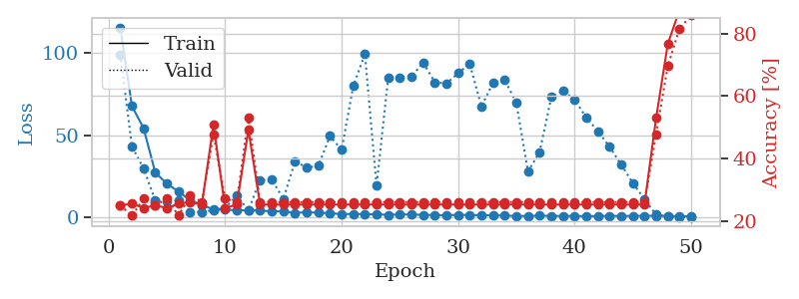
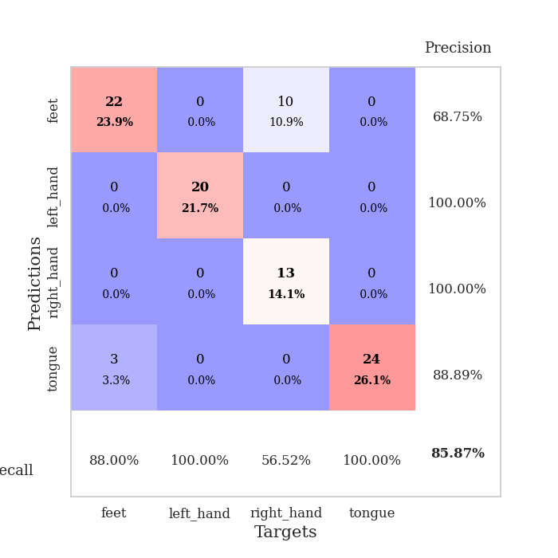
train_loss | valid_loss | train_accuracy | valid_accuracy | dur | train_misclass | valid_misclass
115.35733871 | 98.832413383 | 0.25 | 0.25 | 0.038744926453 | 25 | 25
67.653385162 | 43.197833186 | 0.25543478261 | 0.21739130435 | 0.036000490189 | 25.543478261 | 21.739130435
54.232150269 | 29.788763295 | 0.24184782609 | 0.27173913043 | 0.036802768707 | 24.184782609 | 27.173913043
27.434621048 | 10.658532308 | 0.25 | 0.25 | 0.037677049637 | 25 | 25
20.595466232 | 9.732217457 | 0.24184782609 | 0.27173913043 | 0.037368059158 | 24.184782609 | 27.173913043
15.842457199 | 10.722261636 | 0.25543478261 | 0.21739130435 | 0.037134408951 | 25.543478261 | 21.739130435
10.539634514 | 3.4615304574 | 0.26086956522 | 0.28260869565 | 0.036606311798 | 26.086956522 | 28.260869565
7.7923175812 | 3.4662800457 | 0.2527173913 | 0.26086956522 | 0.037397623062 | 25.27173913 | 26.086956522
4.946042347 | 4.5920757418 | 0.50815217391 | 0.47826086957 | 0.038173675537 | 50.815217391 | 47.826086957
4.9139134407 | 5.9514527736 | 0.24184782609 | 0.27173913043 | 0.037168979645 | 24.184782609 | 27.173913043
4.5035873413 | 13.268626296 | 0.2527173913 | 0.26086956522 | 0.036713838577 | 25.27173913 | 26.086956522
4.5053678989 | 4.5166476706 | 0.49184782609 | 0.53260869565 | 0.037048578262 | 49.184782609 | 53.260869565
4.3378918648 | 22.788097133 | 0.2527173913 | 0.26086956522 | 0.036397457123 | 25.27173913 | 26.086956522
3.8424492359 | 23.175831587 | 0.2527173913 | 0.26086956522 | 0.036764383316 | 25.27173913 | 26.086956522
3.9280254841 | 11.388439096 | 0.2527173913 | 0.26086956522 | 0.036605834961 | 25.27173913 | 26.086956522
2.8720077991 | 34.170361229 | 0.2527173913 | 0.26086956522 | 0.035812139511 | 25.27173913 | 26.086956522
3.3643893242 | 30.340124545 | 0.2527173913 | 0.26086956522 | 0.036766529083 | 25.27173913 | 26.086956522
2.9856574297 | 31.408570497 | 0.2527173913 | 0.26086956522 | 0.03736281395 | 25.27173913 | 26.086956522
2.8043880463 | 49.597254712 | 0.2527173913 | 0.26086956522 | 0.03661775589 | 25.27173913 | 26.086956522
2.0758472204 | 41.081395854 | 0.2527173913 | 0.26086956522 | 0.036775588989 | 25.27173913 | 26.086956522
2.3262108088 | 79.867232281 | 0.2527173913 | 0.26086956522 | 0.037039756775 | 25.27173913 | 26.086956522
2.0387806416 | 99.232052679 | 0.2527173913 | 0.26086956522 | 0.036536455154 | 25.27173913 | 26.086956522
2.0563488245 | 19.335703311 | 0.2527173913 | 0.26086956522 | 0.035679578781 | 25.27173913 | 26.086956522
1.7474615335 | 85.084831238 | 0.2527173913 | 0.26086956522 | 0.03693652153 | 25.27173913 | 26.086956522
1.9747508049 | 85.131836269 | 0.2527173913 | 0.26086956522 | 0.036667585373 | 25.27173913 | 26.086956522
1.8729889393 | 85.590181765 | 0.2527173913 | 0.26086956522 | 0.036490917206 | 25.27173913 | 26.086956522
1.7192148209 | 94.085528166 | 0.2527173913 | 0.26086956522 | 0.036041498184 | 25.27173913 | 26.086956522
1.5503588915 | 82.115517658 | 0.2527173913 | 0.26086956522 | 0.036780834198 | 25.27173913 | 26.086956522
1.5345114231 | 81.383383709 | 0.2527173913 | 0.26086956522 | 0.036395788193 | 25.27173913 | 26.086956522
1.6527486801 | 87.586201212 | 0.2527173913 | 0.26086956522 | 0.036520242691 | 25.27173913 | 26.086956522
1.6582441092 | 93.296857088 | 0.2527173913 | 0.26086956522 | 0.035818576813 | 25.27173913 | 26.086956522
1.4525365949 | 67.498522883 | 0.2527173913 | 0.26086956522 | 0.036366224289 | 25.27173913 | 26.086956522
1.4961099625 | 81.757098986 | 0.2527173913 | 0.26086956522 | 0.036397218704 | 25.27173913 | 26.086956522
1.247151351 | 83.564309493 | 0.2527173913 | 0.26086956522 | 0.036898374557 | 25.27173913 | 26.086956522
1.0530768275 | 69.577237668 | 0.2527173913 | 0.26086956522 | 0.03665804863 | 25.27173913 | 26.086956522
1.0102754116 | 27.99151006 | 0.2527173913 | 0.26086956522 | 0.036903142929 | 25.27173913 | 26.086956522
1.2278634429 | 39.753339353 | 0.2527173913 | 0.26086956522 | 0.03698182106 | 25.27173913 | 26.086956522
1.0657614708 | 73.110492872 | 0.2527173913 | 0.26086956522 | 0.035785198212 | 25.27173913 | 26.086956522
1.0603528738 | 76.891468877 | 0.2527173913 | 0.26086956522 | 0.036520957947 | 25.27173913 | 26.086956522
1.0716584444 | 71.671466662 | 0.2527173913 | 0.26086956522 | 0.036808729172 | 25.27173913 | 26.086956522
0.91459634304 | 60.798981874 | 0.2527173913 | 0.26086956522 | 0.036557197571 | 25.27173913 | 26.086956522
0.99978057146 | 52.402798362 | 0.2527173913 | 0.26086956522 | 0.036619663239 | 25.27173913 | 26.086956522
1.1132718801 | 43.097363182 | 0.2527173913 | 0.26086956522 | 0.036334037781 | 25.27173913 | 26.086956522
1.0168200374 | 32.157867929 | 0.2527173913 | 0.26086956522 | 0.036869764328 | 25.27173913 | 26.086956522
1.0746196985 | 21.058124459 | 0.2527173913 | 0.26086956522 | 0.037540197372 | 25.27173913 | 26.086956522
1.1221670508 | 11.305284334 | 0.2527173913 | 0.26086956522 | 0.036854982376 | 25.27173913 | 26.086956522
1.1564982414 | 1.7979055902 | 0.52989130435 | 0.47826086957 | 0.037714719772 | 52.989130435 | 47.826086957
1.0883063078 | 0.7690623273 | 0.76630434783 | 0.69565217391 | 0.036780595779 | 76.630434783 | 69.565217391
0.89714317322 | 0.51851573716 | 0.875 | 0.8152173913 | 0.036551475525 | 87.5 | 81.52173913
0.81089191437 | 0.41969503527 | 0.91304347826 | 0.85869565217 | 0.036962032318 | 91.304347826 | 85.869565217

Best Val accuracy is 0.8586956521739131 and Best test accuracy is 0.8362068965517241

Sheet3
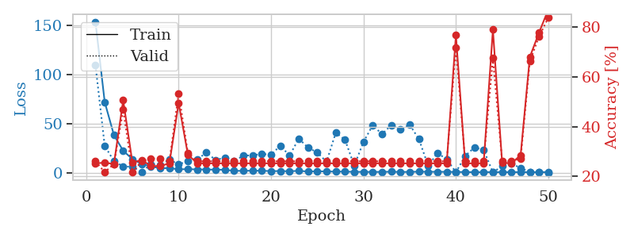
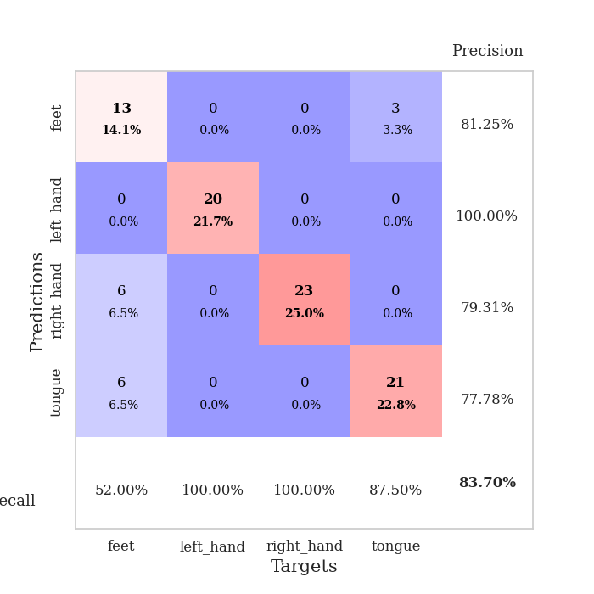
train_loss | valid_loss | train_accuracy | valid_accuracy | dur | train_misclass | valid_misclass
153.43065453 | 109.69908275 | 0.2527173913 | 0.26086956522 | 0.03776049614 | 25.27173913 | 26.086956522
72.19777832 | 27.831472729 | 0.25543478261 | 0.21739130435 | 0.036144733429 | 25.543478261 | 21.739130435
38.677194214 | 12.287983646 | 0.25 | 0.25 | 0.035730361938 | 25 | 25
22.773591995 | 6.9031819883 | 0.50543478261 | 0.46739130435 | 0.03537940979 | 50.543478261 | 46.739130435
14.377829552 | 6.5350101927 | 0.25543478261 | 0.21739130435 | 0.035988092422 | 25.543478261 | 21.739130435
9.4273186684 | 1.2321416658 | 0.26630434783 | 0.26086956522 | 0.03696680069 | 26.630434783 | 26.086956522
6.9288479805 | 9.3792104721 | 0.24184782609 | 0.27173913043 | 0.035622358322 | 24.184782609 | 27.173913043
5.0407166481 | 8.6036528297 | 0.24184782609 | 0.27173913043 | 0.036191940308 | 24.184782609 | 27.173913043
5.3258194923 | 13.774845662 | 0.2527173913 | 0.26086956522 | 0.035722494125 | 25.27173913 | 26.086956522
3.9504804134 | 9.0184920352 | 0.49456521739 | 0.53260869565 | 0.037217378616 | 49.456521739 | 53.260869565
4.1993806362 | 12.262024257 | 0.28804347826 | 0.29347826087 | 0.035068035126 | 28.804347826 | 29.347826087
3.883519268 | 13.731600015 | 0.2527173913 | 0.26086956522 | 0.035677671432 | 25.27173913 | 26.086956522
3.7939842224 | 21.155082951 | 0.2527173913 | 0.26086956522 | 0.036308050156 | 25.27173913 | 26.086956522
3.6499549866 | 13.368266479 | 0.2527173913 | 0.26086956522 | 0.035776376724 | 25.27173913 | 26.086956522
3.5438586235 | 15.906371324 | 0.2527173913 | 0.26086956522 | 0.035743236542 | 25.27173913 | 26.086956522
2.420830822 | 12.1101 | 0.2527173913 | 0.26086956522 | 0.035766363144 | 25.27173913 | 26.086956522
2.4568794727 | 17.933210705 | 0.2527173913 | 0.26086956522 | 0.035711526871 | 25.27173913 | 26.086956522
2.5791840553 | 18.127633302 | 0.2527173913 | 0.26086956522 | 0.035807609558 | 25.27173913 | 26.086956522
2.5368757963 | 19.636297641 | 0.2527173913 | 0.26086956522 | 0.035851716995 | 25.27173913 | 26.086956522
2.1708674192 | 18.790487704 | 0.2527173913 | 0.26086956522 | 0.035776138306 | 25.27173913 | 26.086956522
2.2403968573 | 27.94967527 | 0.2527173913 | 0.26086956522 | 0.036026716232 | 25.27173913 | 26.086956522
2.0341638803 | 17.886636319 | 0.2527173913 | 0.26086956522 | 0.036046981812 | 25.27173913 | 26.086956522
2.4602413177 | 35.085533142 | 0.2527173913 | 0.26086956522 | 0.036067008972 | 25.27173913 | 26.086956522
1.7606281757 | 25.964748051 | 0.2527173913 | 0.26086956522 | 0.035871744156 | 25.27173913 | 26.086956522
2.0125486851 | 21.061219008 | 0.2527173913 | 0.26086956522 | 0.035803318024 | 25.27173913 | 26.086956522
1.8385565519 | 11.595822666 | 0.2527173913 | 0.26086956522 | 0.03629565239 | 25.27173913 | 26.086956522
1.6494235635 | 41.092254307 | 0.2527173913 | 0.26086956522 | 0.03585600853 | 25.27173913 | 26.086956522
1.7108808517 | 33.994448952 | 0.2527173913 | 0.26086956522 | 0.035363912582 | 25.27173913 | 26.086956522
1.4041847944 | 7.6408802737 | 0.2527173913 | 0.26086956522 | 0.036067247391 | 25.27173913 | 26.086956522
1.4444536209 | 31.776392149 | 0.2527173913 | 0.26086956522 | 0.035850048065 | 25.27173913 | 26.086956522
1.3336923599 | 48.688791358 | 0.2527173913 | 0.26086956522 | 0.035905599594 | 25.27173913 | 26.086956522
1.420687747 | 39.570891505 | 0.2527173913 | 0.26086956522 | 0.037959337234 | 25.27173913 | 26.086956522
1.5448673487 | 48.809203604 | 0.2527173913 | 0.26086956522 | 0.035136699677 | 25.27173913 | 26.086956522
1.319892168 | 44.735660553 | 0.2527173913 | 0.26086956522 | 0.035320043564 | 25.27173913 | 26.086956522
1.4206494331 | 49.039754619 | 0.2527173913 | 0.26086956522 | 0.03545331955 | 25.27173913 | 26.086956522
1.604989481 | 34.55896278 | 0.2527173913 | 0.26086956522 | 0.035462141037 | 25.27173913 | 26.086956522
1.5190496922 | 7.3915872574 | 0.2527173913 | 0.26086956522 | 0.037214040756 | 25.27173913 | 26.086956522
1.4808928728 | 20.412462069 | 0.2527173913 | 0.26086956522 | 0.03675532341 | 25.27173913 | 26.086956522
1.4536475897 | 14.230828244 | 0.2527173913 | 0.26086956522 | 0.037329673767 | 25.27173913 | 26.086956522
1.4037971258 | 1.064667808 | 0.76630434783 | 0.71739130435 | 0.036185503006 | 76.630434783 | 71.739130435
1.204340291 | 17.533896654 | 0.2527173913 | 0.26086956522 | 0.037289619446 | 25.27173913 | 26.086956522
1.1323857903 | 26.18086989 | 0.2527173913 | 0.26086956522 | 0.038142204285 | 25.27173913 | 26.086956522
1.1260707855 | 23.652167776 | 0.2527173913 | 0.26086956522 | 0.037118673325 | 25.27173913 | 26.086956522
1.2488578081 | 0.72632577627 | 0.78804347826 | 0.67391304348 | 0.035722017288 | 78.804347826 | 67.391304348
1.1475859761 | 7.4160053212 | 0.25543478261 | 0.26086956522 | 0.037086963654 | 25.543478261 | 26.086956522
1.1332961321 | 10.030739784 | 0.2527173913 | 0.26086956522 | 0.036784887314 | 25.27173913 | 26.086956522
1.2090961933 | 5.1787814887 | 0.28532608696 | 0.27173913043 | 0.036512851715 | 28.532608696 | 27.173913043
1.1421283484 | 1.3763314693 | 0.67934782609 | 0.66304347826 | 0.037479877472 | 67.934782609 | 66.304347826
1.2109833241 | 1.0240931537 | 0.77717391304 | 0.76086956522 | 0.037064313889 | 77.717391304 | 76.086956522
1.1213835359 | 0.52386993429 | 0.86956521739 | 0.83695652174 | 0.037167310715 | 86.956521739 | 83.695652174

Best Val accuracy is 0.8369565217391305 and Best test accuracy is 0.8103448275862069

Sheet4
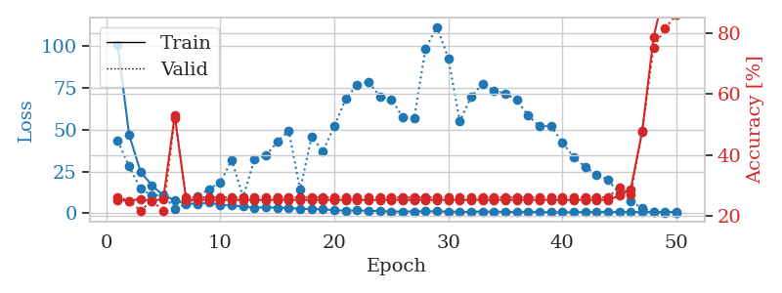
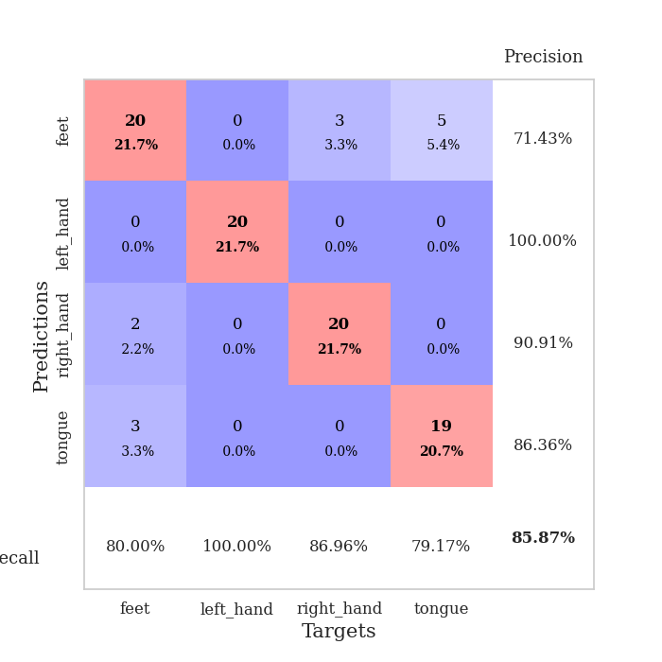
train_loss | valid_loss | train_accuracy | valid_accuracy | dur | train_misclass | valid_misclass
100.69884872 | 43.263479813 | 0.2527173913 | 0.26086956522 | 0.039077043533 | 25.27173913 | 26.086956522
47.055190659 | 27.996128912 | 0.25 | 0.25 | 0.036914825439 | 25 | 25
24.801263618 | 14.627563394 | 0.25543478261 | 0.21739130435 | 0.037744522095 | 25.543478261 | 21.739130435
16.724392509 | 10.697315506 | 0.25 | 0.25 | 0.036767244339 | 25 | 25
10.643268394 | 10.816610917 | 0.25543478261 | 0.21739130435 | 0.035728931427 | 25.543478261 | 21.739130435
7.9133155823 | 2.5218658447 | 0.52989130435 | 0.52173913043 | 0.036114454269 | 52.989130435 | 52.173913043
5.7795292854 | 5.3087402634 | 0.2527173913 | 0.26086956522 | 0.037781000137 | 25.27173913 | 26.086956522
5.565133667 | 9.8850360124 | 0.2527173913 | 0.26086956522 | 0.035760641098 | 25.27173913 | 26.086956522
6.3557918549 | 14.460828449 | 0.2527173913 | 0.26086956522 | 0.036283016205 | 25.27173913 | 26.086956522
5.0846691132 | 18.573864978 | 0.2527173913 | 0.26086956522 | 0.036694049835 | 25.27173913 | 26.086956522
4.6123393536 | 31.919678315 | 0.2527173913 | 0.26086956522 | 0.036308288574 | 25.27173913 | 26.086956522
4.0513039112 | 9.6204435929 | 0.2527173913 | 0.26086956522 | 0.036910533905 | 25.27173913 | 26.086956522
3.2086326599 | 32.434032191 | 0.2527173913 | 0.26086956522 | 0.036425828934 | 25.27173913 | 26.086956522
3.6101289749 | 34.588479913 | 0.2527173913 | 0.26086956522 | 0.036745786667 | 25.27173913 | 26.086956522
3.1858225346 | 42.840747502 | 0.2527173913 | 0.26086956522 | 0.03600025177 | 25.27173913 | 26.086956522
3.2911430359 | 49.411143261 | 0.2527173913 | 0.26086956522 | 0.037169933319 | 25.27173913 | 26.086956522
2.5091160297 | 14.068091019 | 0.2527173913 | 0.26086956522 | 0.03658914566 | 25.27173913 | 26.086956522
2.6410430908 | 45.752026102 | 0.2527173913 | 0.26086956522 | 0.036329746246 | 25.27173913 | 26.086956522
2.2926304579 | 37.238136292 | 0.2527173913 | 0.26086956522 | 0.036548376083 | 25.27173913 | 26.086956522
1.8175089836 | 52.080136672 | 0.2527173913 | 0.26086956522 | 0.03619146347 | 25.27173913 | 26.086956522
1.5553890228 | 68.560383341 | 0.2527173913 | 0.26086956522 | 0.035999774933 | 25.27173913 | 26.086956522
1.6675572872 | 76.945729463 | 0.2527173913 | 0.26086956522 | 0.036823987961 | 25.27173913 | 26.086956522
1.4216816664 | 78.724447831 | 0.2527173913 | 0.26086956522 | 0.03721165657 | 25.27173913 | 26.086956522
1.3535059214 | 70.03781725 | 0.2527173913 | 0.26086956522 | 0.036178350449 | 25.27173913 | 26.086956522
0.97916550636 | 68.236633964 | 0.2527173913 | 0.26086956522 | 0.035401344299 | 25.27173913 | 26.086956522
1.0087646961 | 57.541699451 | 0.2527173913 | 0.26086956522 | 0.035542011261 | 25.27173913 | 26.086956522
1.0470003963 | 56.886948129 | 0.2527173913 | 0.26086956522 | 0.036647081375 | 25.27173913 | 26.086956522
1.1645416617 | 98.638830102 | 0.2527173913 | 0.26086956522 | 0.035834312439 | 25.27173913 | 26.086956522
1.0816480041 | 111.68380406 | 0.2527173913 | 0.26086956522 | 0.036003112793 | 25.27173913 | 26.086956522
0.99347621202 | 92.861370916 | 0.2527173913 | 0.26086956522 | 0.036457300186 | 25.27173913 | 26.086956522
0.84368886948 | 55.021418032 | 0.2527173913 | 0.26086956522 | 0.03693819046 | 25.27173913 | 26.086956522
0.86504733562 | 69.786806189 | 0.2527173913 | 0.26086956522 | 0.039494514465 | 25.27173913 | 26.086956522
1.0255564809 | 77.439685987 | 0.2527173913 | 0.26086956522 | 0.037156105042 | 25.27173913 | 26.086956522
1.0266111612 | 73.576949742 | 0.2527173913 | 0.26086956522 | 0.039126634598 | 25.27173913 | 26.086956522
0.73974729776 | 71.68795511 | 0.2527173913 | 0.26086956522 | 0.035867452621 | 25.27173913 | 26.086956522
0.81621114016 | 67.892340287 | 0.2527173913 | 0.26086956522 | 0.03556728363 | 25.27173913 | 26.086956522
0.73044777513 | 58.541001527 | 0.2527173913 | 0.26086956522 | 0.035657405853 | 25.27173913 | 26.086956522
0.67965770364 | 52.049541473 | 0.2527173913 | 0.26086956522 | 0.035480737686 | 25.27173913 | 26.086956522
0.58909485042 | 52.339888034 | 0.2527173913 | 0.26086956522 | 0.03626871109 | 25.27173913 | 26.086956522
0.52152835131 | 42.306394328 | 0.2527173913 | 0.26086956522 | 0.035485267639 | 25.27173913 | 26.086956522
0.51220454276 | 33.61428833 | 0.2527173913 | 0.26086956522 | 0.03618144989 | 25.27173913 | 26.086956522
0.76540151834 | 27.774985852 | 0.2527173913 | 0.26086956522 | 0.036492586136 | 25.27173913 | 26.086956522
0.7882958293 | 23.135892039 | 0.2527173913 | 0.26086956522 | 0.035727977753 | 25.27173913 | 26.086956522
0.71033456326 | 19.95554584 | 0.2527173913 | 0.26086956522 | 0.0355052948 | 25.27173913 | 26.086956522
0.78914259672 | 11.887982866 | 0.26630434783 | 0.29347826087 | 0.035589933395 | 26.630434783 | 29.347826087
0.72156745195 | 7.2113535715 | 0.28804347826 | 0.27173913043 | 0.036102771759 | 28.804347826 | 27.173913043
0.71345324516 | 3.0063550058 | 0.47554347826 | 0.47826086957 | 0.036149978638 | 47.554347826 | 47.826086957
0.74952227473 | 0.72169225371 | 0.78532608696 | 0.75 | 0.035917282104 | 78.532608696 | 75
0.79262088537 | 0.38658883909 | 0.94565217391 | 0.8152173913 | 0.036109447479 | 94.565217391 | 81.52173913
0.77698432207 | 0.32303369693 | 0.95652173913 | 0.85869565217 | 0.035844087601 | 95.652173913 | 85.869565217

Best Val accuracy is 0.8586956521739131 and Best test accuracy is 0.8103448275862069

Sheet5
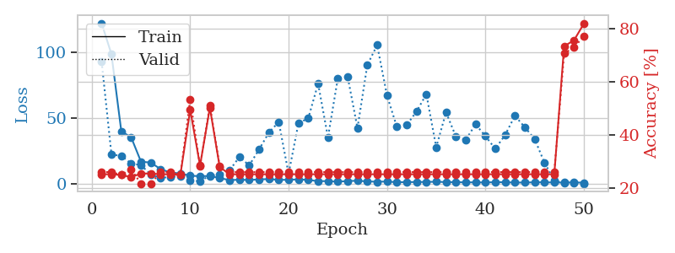
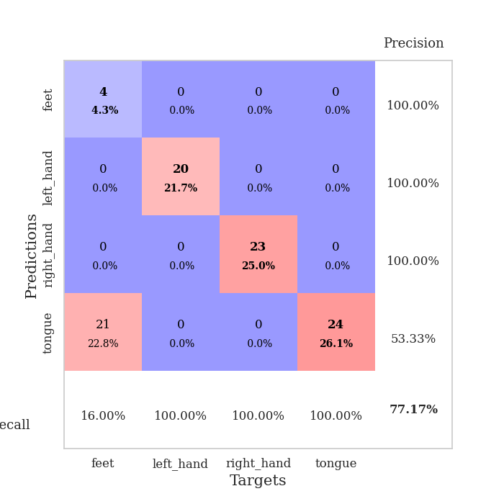
train_loss | valid_loss | train_accuracy | valid_accuracy | dur | train_misclass | valid_misclass
122.43748283 | 93.223251674 | 0.2527173913 | 0.26086956522 | 0.039708137512 | 25.27173913 | 26.086956522
98.787360382 | 22.486481625 | 0.2527173913 | 0.26086956522 | 0.03738451004 | 25.27173913 | 26.086956522
40.214548111 | 21.623149706 | 0.25 | 0.25 | 0.036528587341 | 25 | 25
35.682286835 | 15.757534027 | 0.24184782609 | 0.27173913043 | 0.036271095276 | 24.184782609 | 27.173913043
17.134392929 | 14.529360854 | 0.25543478261 | 0.21739130435 | 0.036680221558 | 25.543478261 | 21.739130435
16.430344009 | 7.2525243552 | 0.25543478261 | 0.21739130435 | 0.036391973495 | 25.543478261 | 21.739130435
11.394260502 | 4.8680759306 | 0.2527173913 | 0.26086956522 | 0.036563396454 | 25.27173913 | 26.086956522
8.8767983437 | 5.4531195682 | 0.2527173913 | 0.26086956522 | 0.036877632141 | 25.27173913 | 26.086956522
8.1578813553 | 6.2133843795 | 0.25 | 0.25 | 0.036985874176 | 25 | 25
6.4325675964 | 2.9687700064 | 0.49456521739 | 0.53260869565 | 0.037516832352 | 49.456521739 | 53.260869565
6.1194115639 | 2.1844331078 | 0.28532608696 | 0.28260869565 | 0.037990093231 | 28.532608696 | 28.260869565
6.2275872707 | 6.6787650482 | 0.5027173913 | 0.51086956522 | 0.038344860077 | 50.27173913 | 51.086956522
4.6480820656 | 7.1189290337 | 0.27989130435 | 0.28260869565 | 0.037651062012 | 27.989130435 | 28.260869565
3.1053615093 | 10.542633264 | 0.2527173913 | 0.26086956522 | 0.037510871887 | 25.27173913 | 26.086956522
3.4398640633 | 20.682999238 | 0.2527173913 | 0.26086956522 | 0.037557125092 | 25.27173913 | 26.086956522
3.1716362 | 14.308293177 | 0.2527173913 | 0.26086956522 | 0.038299322128 | 25.27173913 | 26.086956522
3.6731860161 | 26.432098389 | 0.2527173913 | 0.26086956522 | 0.038018941879 | 25.27173913 | 26.086956522
3.8728764057 | 39.321371493 | 0.2527173913 | 0.26086956522 | 0.038782835007 | 25.27173913 | 26.086956522
3.3316823483 | 47.336134372 | 0.2527173913 | 0.26086956522 | 0.038390159607 | 25.27173913 | 26.086956522
3.3414475203 | 7.8807646088 | 0.2527173913 | 0.26086956522 | 0.037260293961 | 25.27173913 | 26.086956522
3.695676899 | 46.344913483 | 0.2527173913 | 0.26086956522 | 0.038052558899 | 25.27173913 | 26.086956522
3.2599093914 | 50.192352627 | 0.2527173913 | 0.26086956522 | 0.037580490112 | 25.27173913 | 26.086956522
2.29258461 | 76.502286828 | 0.2527173913 | 0.26086956522 | 0.036777019501 | 25.27173913 | 26.086956522
2.3877452612 | 35.589523315 | 0.2527173913 | 0.26086956522 | 0.039154529572 | 25.27173913 | 26.086956522
1.8887501955 | 80.433937073 | 0.2527173913 | 0.26086956522 | 0.036392688751 | 25.27173913 | 26.086956522
2.4306445599 | 81.872855808 | 0.2527173913 | 0.26086956522 | 0.036280632019 | 25.27173913 | 26.086956522
2.6037831068 | 42.605699788 | 0.2527173913 | 0.26086956522 | 0.036904096603 | 25.27173913 | 26.086956522
2.1624470234 | 90.714791671 | 0.2527173913 | 0.26086956522 | 0.036261796951 | 25.27173913 | 26.086956522
1.8390104055 | 105.79431982 | 0.2527173913 | 0.26086956522 | 0.036376476288 | 25.27173913 | 26.086956522
2.0601181746 | 67.421078226 | 0.2527173913 | 0.26086956522 | 0.036332368851 | 25.27173913 | 26.086956522
1.5035662174 | 43.610019518 | 0.2527173913 | 0.26086956522 | 0.036180019379 | 25.27173913 | 26.086956522
1.60983634 | 44.994863593 | 0.2527173913 | 0.26086956522 | 0.037289381027 | 25.27173913 | 26.086956522
1.6663077831 | 55.270473812 | 0.2527173913 | 0.26086956522 | 0.036659479141 | 25.27173913 | 26.086956522
1.7256115437 | 68.4635985 | 0.2527173913 | 0.26086956522 | 0.037488698959 | 25.27173913 | 26.086956522
1.8716756105 | 28.139018349 | 0.2527173913 | 0.26086956522 | 0.03790140152 | 25.27173913 | 26.086956522
1.6089781284 | 54.63612913 | 0.2527173913 | 0.26086956522 | 0.037918806076 | 25.27173913 | 26.086956522
1.5687845349 | 36.323821026 | 0.2527173913 | 0.26086956522 | 0.037925004959 | 25.27173913 | 26.086956522
1.4004528046 | 33.663706075 | 0.2527173913 | 0.26086956522 | 0.038489818573 | 25.27173913 | 26.086956522
1.4342069983 | 45.603712331 | 0.2527173913 | 0.26086956522 | 0.036332130432 | 25.27173913 | 26.086956522
1.3084772348 | 36.550078351 | 0.2527173913 | 0.26086956522 | 0.03657746315 | 25.27173913 | 26.086956522
1.5637753844 | 26.946893858 | 0.2527173913 | 0.26086956522 | 0.036242008209 | 25.27173913 | 26.086956522
1.4792419672 | 37.370294156 | 0.2527173913 | 0.26086956522 | 0.03638625145 | 25.27173913 | 26.086956522
1.2928937912 | 52.05233549 | 0.2527173913 | 0.26086956522 | 0.037328481674 | 25.27173913 | 26.086956522
1.2741657257 | 43.375149602 | 0.2527173913 | 0.26086956522 | 0.037489175797 | 25.27173913 | 26.086956522
1.4488373876 | 34.410656639 | 0.2527173913 | 0.26086956522 | 0.037037372589 | 25.27173913 | 26.086956522
1.4878806353 | 16.348986128 | 0.2527173913 | 0.26086956522 | 0.037921667099 | 25.27173913 | 26.086956522
1.282365942 | 2.8842191489 | 0.2527173913 | 0.26086956522 | 0.037067890167 | 25.27173913 | 26.086956522
1.3019212484 | 0.71398822639 | 0.73369565217 | 0.70652173913 | 0.038419723511 | 73.369565217 | 70.652173913
1.424185586 | 0.71815824509 | 0.75543478261 | 0.72826086957 | 0.03839969635 | 75.543478261 | 72.826086957
1.1153725982 | 0.43528708168 | 0.81793478261 | 0.77173913043 | 0.038048267365 | 81.793478261 | 77.173913043

Best Val accuracy is 0.7717391304347826 and Best test accuracy is 0.8017241379310345

Sheet6
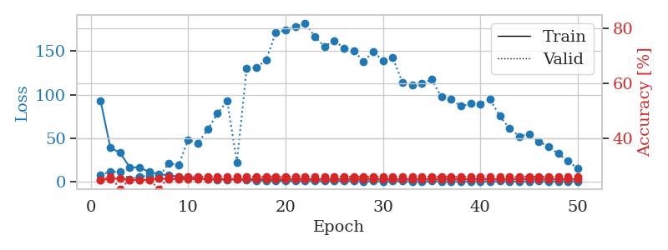
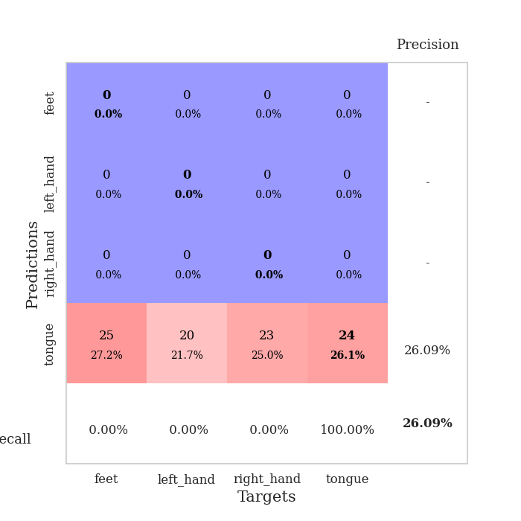
train_loss | valid_loss | train_accuracy | valid_accuracy | dur | train_misclass | valid_misclass
93.061125946 | 8.4378038904 | 0.25 | 0.25 | 0.039094924927 | 25 | 25
39.443486977 | 11.563978776 | 0.2527173913 | 0.26086956522 | 0.039187192917 | 25.27173913 | 26.086956522
33.362417603 | 12.013445688 | 0.25543478261 | 0.21739130435 | 0.037161827087 | 25.543478261 | 21.739130435
16.830865669 | 3.1326406209 | 0.25 | 0.25 | 0.0374584198 | 25 | 25
16.596686077 | 6.1858923746 | 0.25 | 0.25 | 0.037895917892 | 25 | 25
11.422210503 | 7.0962484401 | 0.25 | 0.25 | 0.037447214127 | 25 | 25
8.8307610512 | 5.5341050521 | 0.25543478261 | 0.21739130435 | 0.037747621536 | 25.543478261 | 21.739130435
7.6189174652 | 21.639023739 | 0.2527173913 | 0.26086956522 | 0.037729978561 | 25.27173913 | 26.086956522
6.1099724293 | 19.067240425 | 0.2527173913 | 0.26086956522 | 0.037742614746 | 25.27173913 | 26.086956522
4.2886304855 | 48.529487942 | 0.2527173913 | 0.26086956522 | 0.037667751312 | 25.27173913 | 26.086956522
3.9090902805 | 44.636538298 | 0.2527173913 | 0.26086956522 | 0.036492109299 | 25.27173913 | 26.086956522
3.3158872128 | 60.072135925 | 0.2527173913 | 0.26086956522 | 0.03738617897 | 25.27173913 | 26.086956522
2.5755834103 | 78.312256523 | 0.2527173913 | 0.26086956522 | 0.03759765625 | 25.27173913 | 26.086956522
2.6494912148 | 92.868717028 | 0.2527173913 | 0.26086956522 | 0.03676533699 | 25.27173913 | 26.086956522
2.8739508152 | 22.577206985 | 0.2527173913 | 0.26086956522 | 0.037886857986 | 25.27173913 | 26.086956522
1.9014946461 | 130.27166715 | 0.2527173913 | 0.26086956522 | 0.03771686554 | 25.27173913 | 26.086956522
1.7196637392 | 131.33476821 | 0.2527173913 | 0.26086956522 | 0.037862300873 | 25.27173913 | 26.086956522
1.5653676748 | 139.57712588 | 0.2527173913 | 0.26086956522 | 0.038993597031 | 25.27173913 | 26.086956522
1.1837384224 | 171.41130265 | 0.2527173913 | 0.26086956522 | 0.036017179489 | 25.27173913 | 26.086956522
1.206658113 | 173.76834438 | 0.2527173913 | 0.26086956522 | 0.035844564438 | 25.27173913 | 26.086956522
1.0119283915 | 177.79405345 | 0.2527173913 | 0.26086956522 | 0.036145448685 | 25.27173913 | 26.086956522
1.1213226438 | 182.28396142 | 0.2527173913 | 0.26086956522 | 0.040407657623 | 25.27173913 | 26.086956522
1.0174637794 | 166.41150499 | 0.2527173913 | 0.26086956522 | 0.036132097244 | 25.27173913 | 26.086956522
0.9763723135 | 155.18574192 | 0.2527173913 | 0.26086956522 | 0.036724805832 | 25.27173913 | 26.086956522
1.0276787639 | 162.21324091 | 0.2527173913 | 0.26086956522 | 0.03617143631 | 25.27173913 | 26.086956522
0.93303860426 | 153.35245016 | 0.2527173913 | 0.26086956522 | 0.037242889404 | 25.27173913 | 26.086956522
1.0598326206 | 150.41013369 | 0.2527173913 | 0.26086956522 | 0.037276983261 | 25.27173913 | 26.086956522
0.72366027236 | 138.3057795 | 0.2527173913 | 0.26086956522 | 0.036186933517 | 25.27173913 | 26.086956522
0.87228745818 | 149.18380538 | 0.2527173913 | 0.26086956522 | 0.037068128586 | 25.27173913 | 26.086956522
0.75856457949 | 139.19571056 | 0.2527173913 | 0.26086956522 | 0.039762973785 | 25.27173913 | 26.086956522
0.89458627701 | 142.22128893 | 0.2527173913 | 0.26086956522 | 0.036356210709 | 25.27173913 | 26.086956522
0.81228411198 | 114.0895943 | 0.2527173913 | 0.26086956522 | 0.036047935486 | 25.27173913 | 26.086956522
0.77694818974 | 111.55379519 | 0.2527173913 | 0.26086956522 | 0.036472082138 | 25.27173913 | 26.086956522
0.63592990637 | 112.64716538 | 0.2527173913 | 0.26086956522 | 0.036529064178 | 25.27173913 | 26.086956522
0.81902706027 | 117.44658296 | 0.2527173913 | 0.26086956522 | 0.036255836487 | 25.27173913 | 26.086956522
0.75815778375 | 97.435794333 | 0.2527173913 | 0.26086956522 | 0.037588357925 | 25.27173913 | 26.086956522
0.67945461273 | 95.026569201 | 0.2527173913 | 0.26086956522 | 0.036229610443 | 25.27173913 | 26.086956522
0.71763832569 | 86.798257911 | 0.2527173913 | 0.26086956522 | 0.036516427994 | 25.27173913 | 26.086956522
0.64331710935 | 89.882637024 | 0.2527173913 | 0.26086956522 | 0.036940813065 | 25.27173913 | 26.086956522
0.68678768873 | 89.587931426 | 0.2527173913 | 0.26086956522 | 0.036672353745 | 25.27173913 | 26.086956522
0.71382343769 | 94.880365455 | 0.2527173913 | 0.26086956522 | 0.036620855331 | 25.27173913 | 26.086956522
0.85867899656 | 75.344834701 | 0.2527173913 | 0.26086956522 | 0.036494731903 | 25.27173913 | 26.086956522
0.57541757226 | 61.188352336 | 0.2527173913 | 0.26086956522 | 0.036541938782 | 25.27173913 | 26.086956522
0.6533736527 | 52.21054243 | 0.2527173913 | 0.26086956522 | 0.036280632019 | 25.27173913 | 26.086956522
0.71037051678 | 55.187063798 | 0.2527173913 | 0.26086956522 | 0.036450862885 | 25.27173913 | 26.086956522
0.83033505678 | 46.343689462 | 0.2527173913 | 0.26086956522 | 0.036536931992 | 25.27173913 | 26.086956522
0.69147894979 | 40.638149427 | 0.2527173913 | 0.26086956522 | 0.036574602127 | 25.27173913 | 26.086956522
0.67291625738 | 32.42971951 | 0.2527173913 | 0.26086956522 | 0.036617040634 | 25.27173913 | 26.086956522
0.75176187754 | 23.834556497 | 0.2527173913 | 0.26086956522 | 0.036595344543 | 25.27173913 | 26.086956522
0.74516329765 | 15.371449885 | 0.2527173913 | 0.26086956522 | 0.036677360535 | 25.27173913 | 26.086956522

Best Val accuracy is 0.2608695652173913 and Best test accuracy is 0.23275862068965517

Sheet7
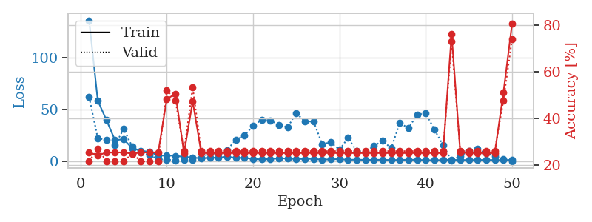
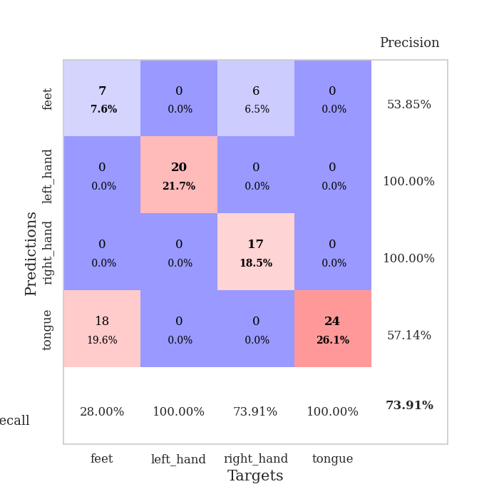
train_loss | valid_loss | train_accuracy | valid_accuracy | dur | train_misclass | valid_misclass
136.34805527 | 62.224671737 | 0.25543478261 | 0.21739130435 | 0.038625240326 | 25.543478261 | 21.739130435
58.877893829 | 22.713077628 | 0.24184782609 | 0.27173913043 | 0.038316249847 | 24.184782609 | 27.173913043
40.130556488 | 20.766819166 | 0.25543478261 | 0.21739130435 | 0.035428524017 | 25.543478261 | 21.739130435
20.625255585 | 15.905574882 | 0.25543478261 | 0.21739130435 | 0.035584688187 | 25.543478261 | 21.739130435
21.643833542 | 31.551630684 | 0.25543478261 | 0.21739130435 | 0.035515069962 | 25.543478261 | 21.739130435
12.700566673 | 14.459279558 | 0.25 | 0.25 | 0.035421609879 | 25 | 25
10.443807983 | 8.742292031 | 0.25543478261 | 0.21739130435 | 0.036518096924 | 25.543478261 | 21.739130435
9.4108034134 | 6.309259622 | 0.25543478261 | 0.21739130435 | 0.035803318024 | 25.543478261 | 21.739130435
5.8380021095 | 2.132889758 | 0.25543478261 | 0.21739130435 | 0.036047935486 | 25.543478261 | 21.739130435
5.9674098492 | 1.9870512382 | 0.48369565217 | 0.52173913043 | 0.037765741348 | 48.369565217 | 52.173913043
5.582879734 | 1.227460913 | 0.50543478261 | 0.47826086957 | 0.035537481308 | 50.543478261 | 47.826086957
4.4628345013 | 1.3709533215 | 0.2527173913 | 0.26086956522 | 0.035355806351 | 25.27173913 | 26.086956522
3.8010615349 | 1.9312080249 | 0.47282608696 | 0.53260869565 | 0.035539388657 | 47.282608696 | 53.260869565
3.1607725859 | 4.1299745207 | 0.2527173913 | 0.26086956522 | 0.035640954971 | 25.27173913 | 26.086956522
3.6592710972 | 8.0691887192 | 0.2527173913 | 0.26086956522 | 0.035304784775 | 25.27173913 | 26.086956522
3.7975094795 | 7.5704422204 | 0.2527173913 | 0.26086956522 | 0.035381317139 | 25.27173913 | 26.086956522
4.6729300976 | 11.267809536 | 0.2527173913 | 0.26086956522 | 0.035567522049 | 25.27173913 | 26.086956522
3.5746660709 | 21.290443337 | 0.2527173913 | 0.26086956522 | 0.035793542862 | 25.27173913 | 26.086956522
3.5711090326 | 25.11553358 | 0.2527173913 | 0.26086956522 | 0.035309791565 | 25.27173913 | 26.086956522
2.6145059586 | 34.758136086 | 0.2527173913 | 0.26086956522 | 0.035509347916 | 25.27173913 | 26.086956522
2.0637927294 | 40.400501583 | 0.2527173913 | 0.26086956522 | 0.035722494125 | 25.27173913 | 26.086956522
2.591844511 | 39.707857547 | 0.2527173913 | 0.26086956522 | 0.035441160202 | 25.27173913 | 26.086956522
3.2013391972 | 35.33137562 | 0.2527173913 | 0.26086956522 | 0.035419464111 | 25.27173913 | 26.086956522
2.9789945126 | 33.0837506 | 0.2527173913 | 0.26086956522 | 0.038280963898 | 25.27173913 | 26.086956522
2.5688142776 | 46.923414977 | 0.2527173913 | 0.26086956522 | 0.035351991653 | 25.27173913 | 26.086956522
2.5295552731 | 38.499791353 | 0.2527173913 | 0.26086956522 | 0.036054134369 | 25.27173913 | 26.086956522
2.7197250843 | 38.859760119 | 0.2527173913 | 0.26086956522 | 0.035828113556 | 25.27173913 | 26.086956522
1.8223595381 | 16.865524707 | 0.2527173913 | 0.26086956522 | 0.036009788513 | 25.27173913 | 26.086956522
2.1891187429 | 18.628326001 | 0.2527173913 | 0.26086956522 | 0.037291288376 | 25.27173913 | 26.086956522
2.3967038155 | 11.312845935 | 0.2527173913 | 0.26086956522 | 0.037204265594 | 25.27173913 | 26.086956522
1.660808897 | 22.862505291 | 0.2527173913 | 0.26086956522 | 0.037200689316 | 25.27173913 | 26.086956522
1.8983753681 | 10.227265068 | 0.2527173913 | 0.26086956522 | 0.036799907684 | 25.27173913 | 26.086956522
1.5886918783 | 9.3582687378 | 0.2527173913 | 0.26086956522 | 0.036293029785 | 25.27173913 | 26.086956522
1.697010088 | 15.081149101 | 0.2527173913 | 0.26086956522 | 0.036129236221 | 25.27173913 | 26.086956522
1.7389831781 | 19.975551937 | 0.2527173913 | 0.26086956522 | 0.036480426788 | 25.27173913 | 26.086956522
1.4683601499 | 12.984119788 | 0.2527173913 | 0.26086956522 | 0.036591291428 | 25.27173913 | 26.086956522
1.5926140547 | 37.328683936 | 0.2527173913 | 0.26086956522 | 0.036678314209 | 25.27173913 | 26.086956522
1.7884684086 | 32.188866657 | 0.2527173913 | 0.26086956522 | 0.036477088928 | 25.27173913 | 26.086956522
1.695772934 | 45.226814104 | 0.2527173913 | 0.26086956522 | 0.037119150162 | 25.27173913 | 26.086956522
1.4176544189 | 46.877206554 | 0.2527173913 | 0.26086956522 | 0.03696680069 | 25.27173913 | 26.086956522
1.3204987288 | 30.941967425 | 0.2527173913 | 0.26086956522 | 0.036986351013 | 25.27173913 | 26.086956522
1.5343409419 | 16.098450702 | 0.2527173913 | 0.26086956522 | 0.038527727127 | 25.27173913 | 26.086956522
1.7006619453 | 0.68118096175 | 0.76086956522 | 0.72826086957 | 0.0373442173 | 76.086956522 | 72.826086957
1.4939700603 | 5.5946509527 | 0.25543478261 | 0.26086956522 | 0.036040782928 | 25.543478261 | 26.086956522
1.4670216799 | 10.006697655 | 0.2527173913 | 0.26086956522 | 0.036386489868 | 25.27173913 | 26.086956522
1.6017208338 | 12.151077602 | 0.2527173913 | 0.26086956522 | 0.03665304184 | 25.27173913 | 26.086956522
1.5476227522 | 8.0845952449 | 0.2527173913 | 0.26086956522 | 0.036004304886 | 25.27173913 | 26.086956522
1.4591660261 | 5.1199640813 | 0.2527173913 | 0.26086956522 | 0.036676645279 | 25.27173913 | 26.086956522
1.3392025471 | 2.0319485405 | 0.51086956522 | 0.47826086957 | 0.037257909775 | 51.086956522 | 47.826086957
1.701171422 | 0.4239278954 | 0.80434782609 | 0.73913043478 | 0.036370038986 | 80.434782609 | 73.913043478

Best Val accuracy is 0.7391304347826086 and Best test accuracy is 0.8017241379310345

Sheet8
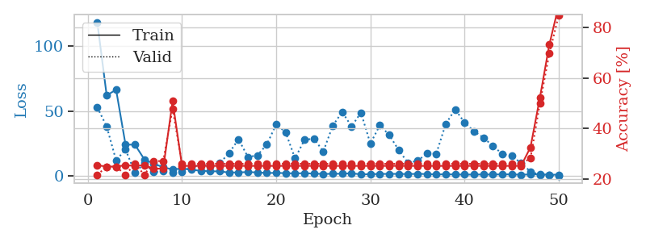

train_loss | valid_loss | train_accuracy | valid_accuracy | dur | train_misclass | valid_misclass
118.46459427 | 53.024192644 | 0.25543478261 | 0.21739130435 | 0.037921905518 | 25.543478261 | 21.739130435
62.102243805 | 38.177641164 | 0.25 | 0.25 | 0.035850524902 | 25 | 25
66.52673645 | 12.127313324 | 0.25 | 0.25 | 0.036610364914 | 25 | 25
24.280572128 | 20.502595321 | 0.25543478261 | 0.21739130435 | 0.035695552826 | 25.543478261 | 21.739130435
24.178988266 | 2.6493831406 | 0.2527173913 | 0.26086956522 | 0.035791873932 | 25.27173913 | 26.086956522
12.918368816 | 9.8270011156 | 0.25543478261 | 0.21739130435 | 0.036553621292 | 25.543478261 | 21.739130435
9.5631375313 | 3.1248534762 | 0.24184782609 | 0.27173913043 | 0.036026477814 | 24.184782609 | 27.173913043
6.809979248 | 3.8478338822 | 0.24184782609 | 0.27173913043 | 0.036911964417 | 24.184782609 | 27.173913043
5.1193305016 | 2.4964494394 | 0.50815217391 | 0.47826086957 | 0.036459445953 | 50.815217391 | 47.826086957
5.9246603489 | 3.5079823992 | 0.2527173913 | 0.26086956522 | 0.036063671112 | 25.27173913 | 26.086956522
4.8881881714 | 6.8871233774 | 0.2527173913 | 0.26086956522 | 0.035860300064 | 25.27173913 | 26.086956522
4.1264872074 | 8.8299787356 | 0.2527173913 | 0.26086956522 | 0.035559892654 | 25.27173913 | 26.086956522
3.6521666527 | 7.7245098197 | 0.2527173913 | 0.26086956522 | 0.035536766052 | 25.27173913 | 26.086956522
3.6852904797 | 9.9034335095 | 0.2527173913 | 0.26086956522 | 0.037504673004 | 25.27173913 | 26.086956522
2.6957693577 | 17.760215179 | 0.2527173913 | 0.26086956522 | 0.038039684296 | 25.27173913 | 26.086956522
2.8981697559 | 28.385711006 | 0.2527173913 | 0.26086956522 | 0.035277605057 | 25.27173913 | 26.086956522
3.0875966549 | 14.673074722 | 0.2527173913 | 0.26086956522 | 0.035114526749 | 25.27173913 | 26.086956522
2.870984149 | 15.979056773 | 0.2527173913 | 0.26086956522 | 0.035214424133 | 25.27173913 | 26.086956522
2.370584774 | 24.259751527 | 0.2527173913 | 0.26086956522 | 0.035184383392 | 25.27173913 | 26.086956522
2.4949575424 | 39.864090629 | 0.2527173913 | 0.26086956522 | 0.035169363022 | 25.27173913 | 26.086956522
2.2532665491 | 33.728415614 | 0.2527173913 | 0.26086956522 | 0.035452842712 | 25.27173913 | 26.086956522
2.0983763456 | 13.64793736 | 0.2527173913 | 0.26086956522 | 0.03519654274 | 25.27173913 | 26.086956522
2.2372506857 | 27.855179911 | 0.2527173913 | 0.26086956522 | 0.035380363464 | 25.27173913 | 26.086956522
1.9277482748 | 28.952634148 | 0.2527173913 | 0.26086956522 | 0.035706043243 | 25.27173913 | 26.086956522
1.6553472519 | 18.936696923 | 0.2527173913 | 0.26086956522 | 0.035200357437 | 25.27173913 | 26.086956522
1.7943330765 | 38.648607171 | 0.2527173913 | 0.26086956522 | 0.035413980484 | 25.27173913 | 26.086956522
1.8462641478 | 49.426832448 | 0.2527173913 | 0.26086956522 | 0.035314321518 | 25.27173913 | 26.086956522
2.1881219149 | 38.266779692 | 0.2527173913 | 0.26086956522 | 0.035187959671 | 25.27173913 | 26.086956522
1.3260975838 | 48.831768202 | 0.2527173913 | 0.26086956522 | 0.035715341568 | 25.27173913 | 26.086956522
1.532089901 | 24.982103845 | 0.2527173913 | 0.26086956522 | 0.037339687347 | 25.27173913 | 26.086956522
1.6487020969 | 39.138718647 | 0.2527173913 | 0.26086956522 | 0.03742480278 | 25.27173913 | 26.086956522
1.7376106262 | 31.708962565 | 0.2527173913 | 0.26086956522 | 0.035302877426 | 25.27173913 | 26.086956522
1.6865471601 | 20.072144467 | 0.2527173913 | 0.26086956522 | 0.035326957703 | 25.27173913 | 26.086956522
1.5764056206 | 10.161149481 | 0.2527173913 | 0.26086956522 | 0.035361766815 | 25.27173913 | 26.086956522
1.747127223 | 11.719136528 | 0.2527173913 | 0.26086956522 | 0.035313367844 | 25.27173913 | 26.086956522
1.5954128504 | 17.391437365 | 0.2527173913 | 0.26086956522 | 0.035398006439 | 25.27173913 | 26.086956522
1.3283296585 | 17.25437297 | 0.2527173913 | 0.26086956522 | 0.036370992661 | 25.27173913 | 26.086956522
1.3915948391 | 40.143044347 | 0.2527173913 | 0.26086956522 | 0.036300420761 | 25.27173913 | 26.086956522
1.300906837 | 51.325151029 | 0.2527173913 | 0.26086956522 | 0.036234617233 | 25.27173913 | 26.086956522
1.1638425827 | 41.286700539 | 0.2527173913 | 0.26086956522 | 0.037189006805 | 25.27173913 | 26.086956522
1.2315656662 | 34.517455225 | 0.2527173913 | 0.26086956522 | 0.036199092865 | 25.27173913 | 26.086956522
1.26897403 | 29.63267799 | 0.2527173913 | 0.26086956522 | 0.036354541779 | 25.27173913 | 26.086956522
1.2478515148 | 23.241982253 | 0.2527173913 | 0.26086956522 | 0.036911010742 | 25.27173913 | 26.086956522
1.3672482252 | 17.102494779 | 0.2527173913 | 0.26086956522 | 0.036956548691 | 25.27173913 | 26.086956522
1.3341531038 | 15.516258696 | 0.2527173913 | 0.26086956522 | 0.037010669708 | 25.27173913 | 26.086956522
1.1010934591 | 10.044732218 | 0.2527173913 | 0.26086956522 | 0.036153316498 | 25.27173913 | 26.086956522
1.3204000473 | 3.4483548144 | 0.32608695652 | 0.28260869565 | 0.036989212036 | 32.608695652 | 28.260869565
1.4598287106 | 1.0585623643 | 0.52173913043 | 0.5 | 0.036486625671 | 52.173913043 | 50
1.1185141087 | 0.57295725138 | 0.73097826087 | 0.69565217391 | 0.036502838135 | 73.097826087 | 69.565217391
1.0616443396 | 0.35850262642 | 0.88586956522 | 0.84782608696 | 0.037584066391 | 88.586956522 | 84.782608696

Best Val accuracy is 0.8478260869565217 and Best test accuracy is 0.8706896551724138

Sheet9
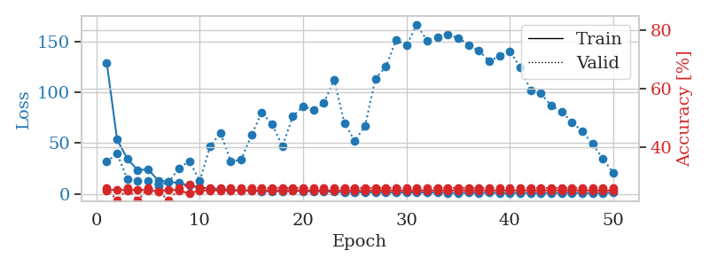
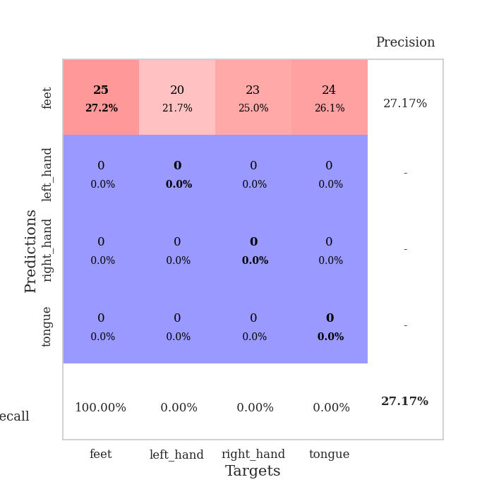
train_loss | valid_loss | train_accuracy | valid_accuracy | dur | train_misclass | valid_misclass
129.22780609 | 31.582380627 | 0.2527173913 | 0.26086956522 | 0.03878736496 | 25.27173913 | 26.086956522
53.471299362 | 39.692814039 | 0.25543478261 | 0.21739130435 | 0.038550138474 | 25.543478261 | 21.739130435
34.205735207 | 14.28019677 | 0.2527173913 | 0.26086956522 | 0.03897356987 | 25.27173913 | 26.086956522
23.456991196 | 12.305328452 | 0.25543478261 | 0.21739130435 | 0.03893995285 | 25.543478261 | 21.739130435
24.062500381 | 12.649400379 | 0.2527173913 | 0.26086956522 | 0.038607358932 | 25.27173913 | 26.086956522
12.959373379 | 7.9009122019 | 0.25 | 0.25 | 0.03851556778 | 25 | 25
11.953437519 | 11.552830447 | 0.25543478261 | 0.21739130435 | 0.038170576096 | 25.543478261 | 21.739130435
10.614586639 | 25.347330259 | 0.2527173913 | 0.26086956522 | 0.036614894867 | 25.27173913 | 26.086956522
8.1217756271 | 32.332008859 | 0.24184782609 | 0.27173913043 | 0.036544799805 | 24.184782609 | 27.173913043
6.5829932213 | 12.544922455 | 0.2527173913 | 0.26086956522 | 0.03675699234 | 25.27173913 | 26.086956522
4.834782362 | 46.711120274 | 0.2527173913 | 0.26086956522 | 0.03667473793 | 25.27173913 | 26.086956522
4.8945859909 | 60.134986214 | 0.2527173913 | 0.26086956522 | 0.036711215973 | 25.27173913 | 26.086956522
3.5841529369 | 32.088950779 | 0.2527173913 | 0.26086956522 | 0.036749362946 | 25.27173913 | 26.086956522
3.2947829247 | 33.567546679 | 0.2527173913 | 0.26086956522 | 0.036451101303 | 25.27173913 | 26.086956522
3.1472340584 | 57.859453782 | 0.2527173913 | 0.26086956522 | 0.035986185074 | 25.27173913 | 26.086956522
2.5466956139 | 79.966037253 | 0.2527173913 | 0.26086956522 | 0.037968158722 | 25.27173913 | 26.086956522
2.5377453804 | 68.513786316 | 0.2527173913 | 0.26086956522 | 0.037103891373 | 25.27173913 | 26.086956522
2.6215213299 | 46.901057202 | 0.2527173913 | 0.26086956522 | 0.03669834137 | 25.27173913 | 26.086956522
3.0096405983 | 76.404035817 | 0.2527173913 | 0.26086956522 | 0.03694152832 | 25.27173913 | 26.086956522
2.473900938 | 86.269656969 | 0.2527173913 | 0.26086956522 | 0.036698102951 | 25.27173913 | 26.086956522
2.4342168808 | 82.632628399 | 0.2527173913 | 0.26086956522 | 0.037495851517 | 25.27173913 | 26.086956522
2.3406690121 | 89.388493082 | 0.2527173913 | 0.26086956522 | 0.036838293076 | 25.27173913 | 26.086956522
1.8563125134 | 112.34890017 | 0.2527173913 | 0.26086956522 | 0.036837100983 | 25.27173913 | 26.086956522
1.6985711813 | 69.404185419 | 0.2527173913 | 0.26086956522 | 0.038234949112 | 25.27173913 | 26.086956522
1.6818738461 | 52.203457708 | 0.2527173913 | 0.26086956522 | 0.036638259888 | 25.27173913 | 26.086956522
1.3993801594 | 67.103761424 | 0.2527173913 | 0.26086956522 | 0.036234378815 | 25.27173913 | 26.086956522
1.5502755642 | 113.63765816 | 0.2527173913 | 0.26086956522 | 0.037256002426 | 25.27173913 | 26.086956522
1.2997274637 | 125.1120015 | 0.2527173913 | 0.26086956522 | 0.036547660828 | 25.27173913 | 26.086956522
1.1120698929 | 151.6692611 | 0.2527173913 | 0.26086956522 | 0.037414550781 | 25.27173913 | 26.086956522
1.3486898184 | 145.99108688 | 0.2527173913 | 0.26086956522 | 0.038845300674 | 25.27173913 | 26.086956522
1.3646886349 | 166.9518154 | 0.2527173913 | 0.26086956522 | 0.035857439041 | 25.27173913 | 26.086956522
1.1905618906 | 150.68250507 | 0.2527173913 | 0.26086956522 | 0.03595995903 | 25.27173913 | 26.086956522
1.2015956163 | 154.57771235 | 0.2527173913 | 0.26086956522 | 0.036292791367 | 25.27173913 | 26.086956522
0.91631884575 | 156.57789214 | 0.2527173913 | 0.26086956522 | 0.038009405136 | 25.27173913 | 26.086956522
0.80066531897 | 153.8067627 | 0.2527173913 | 0.26086956522 | 0.03636932373 | 25.27173913 | 26.086956522
0.99437375069 | 146.81932201 | 0.2527173913 | 0.26086956522 | 0.036235809326 | 25.27173913 | 26.086956522
0.8299402833 | 140.98035 | 0.2527173913 | 0.26086956522 | 0.036299228668 | 25.27173913 | 26.086956522
1.0116574168 | 130.8993799 | 0.2527173913 | 0.26086956522 | 0.036456346512 | 25.27173913 | 26.086956522
0.87145835161 | 135.59246428 | 0.2527173913 | 0.26086956522 | 0.036440610886 | 25.27173913 | 26.086956522
0.73193156719 | 140.53511512 | 0.2527173913 | 0.26086956522 | 0.03798699379 | 25.27173913 | 26.086956522
0.90808238983 | 124.70741703 | 0.2527173913 | 0.26086956522 | 0.036604642868 | 25.27173913 | 26.086956522
0.75587257147 | 102.17378235 | 0.2527173913 | 0.26086956522 | 0.036452531815 | 25.27173913 | 26.086956522
0.81439396143 | 99.074106299 | 0.2527173913 | 0.26086956522 | 0.037061214447 | 25.27173913 | 26.086956522
0.80640767813 | 86.682074837 | 0.2527173913 | 0.26086956522 | 0.038298845291 | 25.27173913 | 26.086956522
0.90198588371 | 81.164741848 | 0.2527173913 | 0.26086956522 | 0.037243127823 | 25.27173913 | 26.086956522
0.91892974973 | 70.625531404 | 0.2527173913 | 0.26086956522 | 0.037279367447 | 25.27173913 | 26.086956522
0.84293829203 | 61.717011493 | 0.2527173913 | 0.26086956522 | 0.037207365036 | 25.27173913 | 26.086956522
0.75166980028 | 49.192747365 | 0.2527173913 | 0.26086956522 | 0.037393569946 | 25.27173913 | 26.086956522
0.89235457182 | 34.529715994 | 0.2527173913 | 0.26086956522 | 0.036480903625 | 25.27173913 | 26.086956522
0.96351701021 | 20.92262152 | 0.2527173913 | 0.26086956522 | 0.037204742432 | 25.27173913 | 26.086956522

Best Val accuracy is 0.2717391304347826 and Best test accuracy is 0.25862068965517243

Sheet10
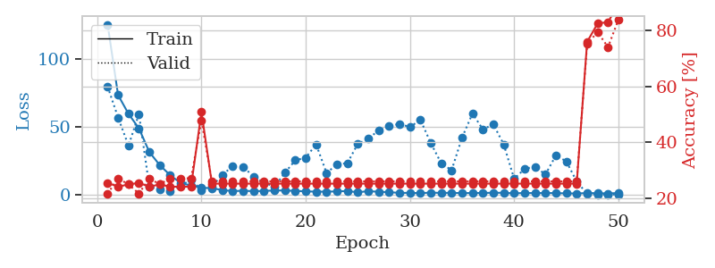
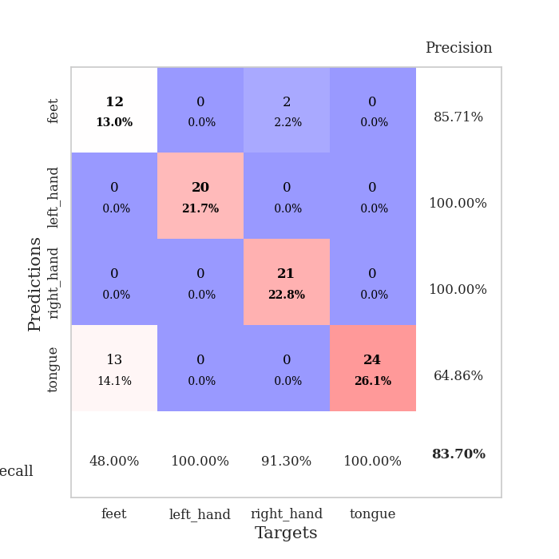
train_loss | valid_loss | train_accuracy | valid_accuracy | dur | train_misclass | valid_misclass
125.3431881 | 79.738607324 | 0.25543478261 | 0.21739130435 | 0.038078784943 | 25.543478261 | 21.739130435
73.517059326 | 57.022404215 | 0.24184782609 | 0.27173913043 | 0.037854194641 | 24.184782609 | 27.173913043
59.746203613 | 36.319633401 | 0.25 | 0.25 | 0.034989118576 | 25 | 25
49.016294098 | 59.51568023 | 0.25543478261 | 0.21739130435 | 0.035653114319 | 25.543478261 | 21.739130435
31.621060562 | 6.1635966508 | 0.24184782609 | 0.27173913043 | 0.034638881683 | 24.184782609 | 27.173913043
22.007156754 | 3.9970472792 | 0.25 | 0.25 | 0.034853458405 | 25 | 25
14.581264305 | 2.9462519003 | 0.24184782609 | 0.27173913043 | 0.035158157349 | 24.184782609 | 27.173913043
8.8730640888 | 6.8050692392 | 0.24184782609 | 0.27173913043 | 0.036014080048 | 24.184782609 | 27.173913043
6.9978356361 | 11.338004776 | 0.24184782609 | 0.27173913043 | 0.036355257034 | 24.184782609 | 27.173913043
5.3722136021 | 3.6194548192 | 0.50815217391 | 0.47826086957 | 0.037308216095 | 50.815217391 | 47.826086957
5.0387766838 | 6.2394001795 | 0.2527173913 | 0.26086956522 | 0.036337852478 | 25.27173913 | 26.086956522
3.6469675064 | 14.908468744 | 0.2527173913 | 0.26086956522 | 0.035859107971 | 25.27173913 | 26.086956522
2.8969646454 | 21.137496782 | 0.2527173913 | 0.26086956522 | 0.035780668259 | 25.27173913 | 26.086956522
3.1671060562 | 20.887328355 | 0.2527173913 | 0.26086956522 | 0.035467147827 | 25.27173913 | 26.086956522
2.8494174957 | 13.479627278 | 0.2527173913 | 0.26086956522 | 0.035409212112 | 25.27173913 | 26.086956522
3.0315907001 | 9.2174790838 | 0.2527173913 | 0.26086956522 | 0.035179376602 | 25.27173913 | 26.086956522
3.3532869577 | 6.0360503819 | 0.2527173913 | 0.26086956522 | 0.03528046608 | 25.27173913 | 26.086956522
3.3631558895 | 16.33265147 | 0.2527173913 | 0.26086956522 | 0.035261631012 | 25.27173913 | 26.086956522
3.0725227594 | 25.551049937 | 0.2527173913 | 0.26086956522 | 0.035387039185 | 25.27173913 | 26.086956522
2.7157361031 | 27.424010982 | 0.2527173913 | 0.26086956522 | 0.035234928131 | 25.27173913 | 26.086956522
2.4760182858 | 37.304985378 | 0.2527173913 | 0.26086956522 | 0.035099029541 | 25.27173913 | 26.086956522
2.4993766785 | 16.181326908 | 0.2527173913 | 0.26086956522 | 0.035148859024 | 25.27173913 | 26.086956522
2.6609124899 | 22.555357643 | 0.2527173913 | 0.26086956522 | 0.034977674484 | 25.27173913 | 26.086956522
2.9688495636 | 23.474809812 | 0.2527173913 | 0.26086956522 | 0.035565376282 | 25.27173913 | 26.086956522
1.9998538494 | 37.721920179 | 0.2527173913 | 0.26086956522 | 0.035187959671 | 25.27173913 | 26.086956522
2.8800490379 | 41.269089243 | 0.2527173913 | 0.26086956522 | 0.034973144531 | 25.27173913 | 26.086956522
2.3930996656 | 47.68246858 | 0.2527173913 | 0.26086956522 | 0.035078763962 | 25.27173913 | 26.086956522
2.1312124491 | 50.653020776 | 0.2527173913 | 0.26086956522 | 0.035279750824 | 25.27173913 | 26.086956522
1.5622899532 | 52.394360915 | 0.2527173913 | 0.26086956522 | 0.03497505188 | 25.27173913 | 26.086956522
1.6291317463 | 49.918498993 | 0.2527173913 | 0.26086956522 | 0.035277843475 | 25.27173913 | 26.086956522
1.3828451872 | 55.37563523 | 0.2527173913 | 0.26086956522 | 0.035141944885 | 25.27173913 | 26.086956522
1.8105983257 | 38.261487878 | 0.2527173913 | 0.26086956522 | 0.035140275955 | 25.27173913 | 26.086956522
1.5384522915 | 23.350778082 | 0.2527173913 | 0.26086956522 | 0.035304069519 | 25.27173913 | 26.086956522
1.6520342827 | 18.258406846 | 0.2527173913 | 0.26086956522 | 0.035209655762 | 25.27173913 | 26.086956522
1.3909608364 | 42.236274056 | 0.2527173913 | 0.26086956522 | 0.035019397736 | 25.27173913 | 26.086956522
1.5041687965 | 59.920141303 | 0.2527173913 | 0.26086956522 | 0.037468910217 | 25.27173913 | 26.086956522
1.5392876089 | 48.266894465 | 0.2527173913 | 0.26086956522 | 0.035040140152 | 25.27173913 | 26.086956522
1.6953068256 | 51.996385823 | 0.2527173913 | 0.26086956522 | 0.035167694092 | 25.27173913 | 26.086956522
1.6326653719 | 37.231211123 | 0.2527173913 | 0.26086956522 | 0.034945726395 | 25.27173913 | 26.086956522
1.270737946 | 11.841671612 | 0.2527173913 | 0.26086956522 | 0.035148859024 | 25.27173913 | 26.086956522
1.4937561989 | 19.337188887 | 0.2527173913 | 0.26086956522 | 0.03817653656 | 25.27173913 | 26.086956522
1.4293771744 | 20.782039725 | 0.2527173913 | 0.26086956522 | 0.036051750183 | 25.27173913 | 26.086956522
1.478764534 | 15.14329931 | 0.2527173913 | 0.26086956522 | 0.036777973175 | 25.27173913 | 26.086956522
1.4105840206 | 29.096863622 | 0.2527173913 | 0.26086956522 | 0.035832166672 | 25.27173913 | 26.086956522
1.2375729561 | 24.802479039 | 0.2527173913 | 0.26086956522 | 0.036088466644 | 25.27173913 | 26.086956522
1.1483843327 | 9.9582242966 | 0.2527173913 | 0.26086956522 | 0.035504341125 | 25.27173913 | 26.086956522
1.4598280191 | 0.83010013985 | 0.75815217391 | 0.75 | 0.035879850388 | 75.815217391 | 75
1.361453867 | 0.40052118897 | 0.82336956522 | 0.79347826087 | 0.035730361938 | 82.336956522 | 79.347826087
1.1903892159 | 0.40896671751 | 0.82880434783 | 0.73913043478 | 0.036562681198 | 82.880434783 | 73.913043478
1.4878409624 | 0.38421245243 | 0.89130434783 | 0.83695652174 | 0.036443471909 | 89.130434783 | 83.695652174

Best Val accuracy is 0.8369565217391305 and Best test accuracy is 0.896551724137931

