Sheet
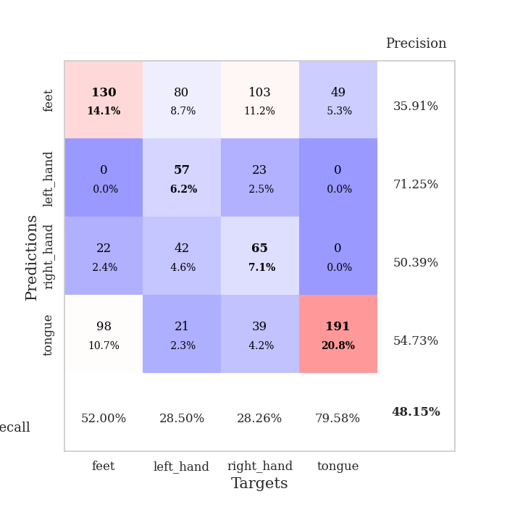
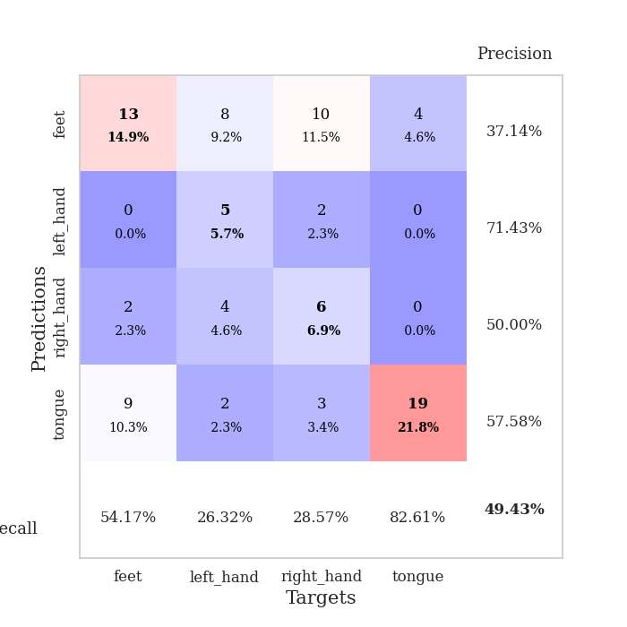
best_val_acc | best_val_los | best_test_acc
0.51086956522 | 2.586604108 | 0.48275862069
0.47826086957 | 2.016675918 | 0.49137931034
0.53260869565 | 3.8935523759 | 0.49137931034
0.60869565217 | 1.2172428473 | 0.66379310345
0.53260869565 | 1.385551209 | 0.49137931034
0.26086956522 | 4.3509356561 | 0.23275862069
0.27173913043 | 4.4537024498 | 0.25862068966
0.36956521739 | 12.272275925 | 0.35344827586
0.97826086957 | 0.25803828563 | 0.95689655172
0.27173913043 | 8.7055431656 | 0.25862068966

Mean,std Val accuracy is 0.4815217391304348 , 0.21557514305234127 and mean, std test accuracy is 0.4681034482758621 , 0.219937430298109

Sheet1
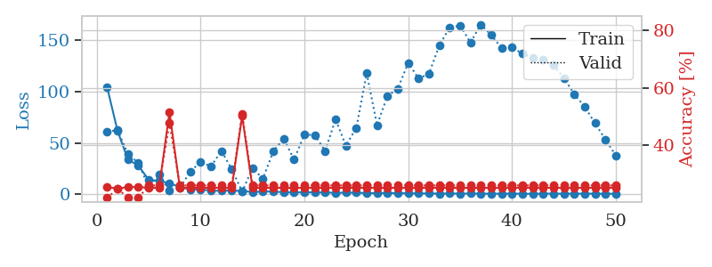
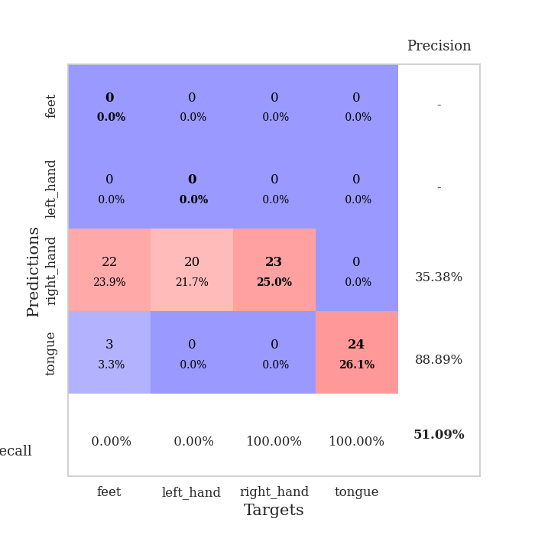
train_loss | valid_loss | train_accuracy | valid_accuracy | dur | train_misclass | valid_misclass
103.79387703 | 61.180269324 | 0.25543478261 | 0.21739130435 | 0.037075519562 | 25.543478261 | 21.739130435
61.546842957 | 62.236155634 | 0.25 | 0.25 | 0.036299467087 | 25 | 25
33.825428772 | 39.235036933 | 0.25543478261 | 0.21739130435 | 0.036649227142 | 25.543478261 | 21.739130435
28.022474289 | 30.473102238 | 0.25543478261 | 0.21739130435 | 0.03714966774 | 25.543478261 | 21.739130435
14.091529369 | 7.082029861 | 0.2527173913 | 0.26086956522 | 0.036842346191 | 25.27173913 | 26.086956522
13.062234879 | 19.168863711 | 0.2527173913 | 0.26086956522 | 0.036870241165 | 25.27173913 | 26.086956522
10.90273447 | 3.7092400634 | 0.51630434783 | 0.47826086957 | 0.036384105682 | 51.630434783 | 47.826086957
7.1128876686 | 6.1758431352 | 0.2527173913 | 0.26086956522 | 0.036522388458 | 25.27173913 | 26.086956522
4.9199175358 | 22.047722112 | 0.2527173913 | 0.26086956522 | 0.0364985466 | 25.27173913 | 26.086956522
4.7484302998 | 31.614211456 | 0.2527173913 | 0.26086956522 | 0.037178754807 | 25.27173913 | 26.086956522
3.6044323444 | 27.126938695 | 0.2527173913 | 0.26086956522 | 0.037357091904 | 25.27173913 | 26.086956522
3.5430413723 | 42.241124526 | 0.2527173913 | 0.26086956522 | 0.036017894745 | 25.27173913 | 26.086956522
3.7558106899 | 24.462310625 | 0.2527173913 | 0.26086956522 | 0.036117315292 | 25.27173913 | 26.086956522
3.2537575722 | 2.586604108 | 0.5027173913 | 0.51086956522 | 0.035928487778 | 50.27173913 | 51.086956522
2.333970046 | 25.459677074 | 0.2527173913 | 0.26086956522 | 0.036988973618 | 25.27173913 | 26.086956522
2.7987226009 | 15.285726174 | 0.2527173913 | 0.26086956522 | 0.036206245422 | 25.27173913 | 26.086956522
2.7189332485 | 41.699879522 | 0.2527173913 | 0.26086956522 | 0.036169290543 | 25.27173913 | 26.086956522
2.0911536932 | 54.243861986 | 0.2527173913 | 0.26086956522 | 0.036673545837 | 25.27173913 | 26.086956522
1.990313673 | 33.694691202 | 0.2527173913 | 0.26086956522 | 0.035703659058 | 25.27173913 | 26.086956522
2.0022253752 | 58.21291285 | 0.2527173913 | 0.26086956522 | 0.036529302597 | 25.27173913 | 26.086956522
2.0657023191 | 57.493837771 | 0.2527173913 | 0.26086956522 | 0.035932779312 | 25.27173913 | 26.086956522
1.892749238 | 42.18492226 | 0.2527173913 | 0.26086956522 | 0.036447763443 | 25.27173913 | 26.086956522
1.4738317966 | 72.935668614 | 0.2527173913 | 0.26086956522 | 0.036983728409 | 25.27173913 | 26.086956522
1.7193213224 | 47.342729486 | 0.2527173913 | 0.26086956522 | 0.03633928299 | 25.27173913 | 26.086956522
1.6332996845 | 64.652801348 | 0.2527173913 | 0.26086956522 | 0.036788225174 | 25.27173913 | 26.086956522
1.2161083698 | 117.53562363 | 0.2527173913 | 0.26086956522 | 0.03667640686 | 25.27173913 | 26.086956522
1.216808176 | 67.337859112 | 0.2527173913 | 0.26086956522 | 0.036406755447 | 25.27173913 | 26.086956522
1.4448881865 | 95.656279854 | 0.2527173913 | 0.26086956522 | 0.035747766495 | 25.27173913 | 26.086956522
1.0500244021 | 102.7721478 | 0.2527173913 | 0.26086956522 | 0.036451339722 | 25.27173913 | 26.086956522
1.0856637001 | 127.65412936 | 0.2527173913 | 0.26086956522 | 0.036167383194 | 25.27173913 | 26.086956522
0.87298773527 | 112.50593467 | 0.2527173913 | 0.26086956522 | 0.03651881218 | 25.27173913 | 26.086956522
0.89209753275 | 117.19977669 | 0.2527173913 | 0.26086956522 | 0.036228895187 | 25.27173913 | 26.086956522
0.74231190085 | 144.68455306 | 0.2527173913 | 0.26086956522 | 0.036599874496 | 25.27173913 | 26.086956522
0.80339660645 | 162.29692409 | 0.2527173913 | 0.26086956522 | 0.036413192749 | 25.27173913 | 26.086956522
0.73263721466 | 163.87546307 | 0.2527173913 | 0.26086956522 | 0.037899494171 | 25.27173913 | 26.086956522
0.78448719978 | 147.5504157 | 0.2527173913 | 0.26086956522 | 0.035613775253 | 25.27173913 | 26.086956522
0.70477967262 | 165.02423958 | 0.2527173913 | 0.26086956522 | 0.03545331955 | 25.27173913 | 26.086956522
0.62147920132 | 154.69108648 | 0.2527173913 | 0.26086956522 | 0.03568649292 | 25.27173913 | 26.086956522
0.7024074316 | 142.08194235 | 0.2527173913 | 0.26086956522 | 0.035509109497 | 25.27173913 | 26.086956522
0.72487715483 | 142.62018685 | 0.2527173913 | 0.26086956522 | 0.036969423294 | 25.27173913 | 26.086956522
0.58539983034 | 136.80097298 | 0.2527173913 | 0.26086956522 | 0.036952018738 | 25.27173913 | 26.086956522
0.57648112774 | 132.40858625 | 0.2527173913 | 0.26086956522 | 0.036465644836 | 25.27173913 | 26.086956522
0.70795232058 | 131.13248178 | 0.2527173913 | 0.26086956522 | 0.036355257034 | 25.27173913 | 26.086956522
0.71859741807 | 125.43715137 | 0.2527173913 | 0.26086956522 | 0.035848379135 | 25.27173913 | 26.086956522
0.64946149588 | 112.91098155 | 0.2527173913 | 0.26086956522 | 0.036442279816 | 25.27173913 | 26.086956522
0.68372988701 | 97.390599126 | 0.2527173913 | 0.26086956522 | 0.037143230438 | 25.27173913 | 26.086956522
0.71225322485 | 85.145295516 | 0.2527173913 | 0.26086956522 | 0.036508321762 | 25.27173913 | 26.086956522
0.67893491983 | 69.074741861 | 0.2527173913 | 0.26086956522 | 0.036334991455 | 25.27173913 | 26.086956522
0.56131125093 | 53.311538199 | 0.2527173913 | 0.26086956522 | 0.037943124771 | 25.27173913 | 26.086956522
0.62235363722 | 37.779996623 | 0.2527173913 | 0.26086956522 | 0.036178350449 | 25.27173913 | 26.086956522

Best Val accuracy is 0.5108695652173914 and Best test accuracy is 0.4827586206896552

Sheet2
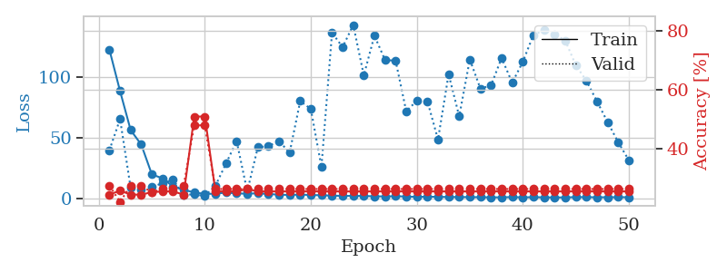
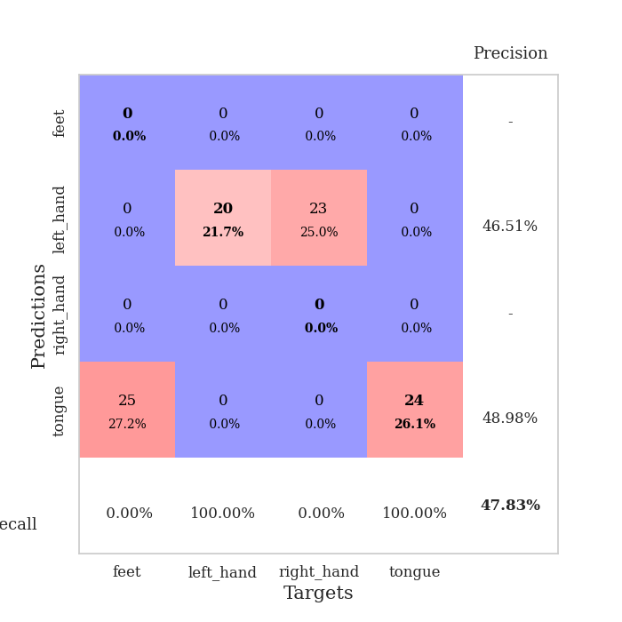
train_loss | valid_loss | train_accuracy | valid_accuracy | dur | train_misclass | valid_misclass
122.05960693 | 39.675516377 | 0.24184782609 | 0.27173913043 | 0.037532567978 | 24.184782609 | 27.173913043
88.16540451 | 65.195043481 | 0.25543478261 | 0.21739130435 | 0.036568164825 | 25.543478261 | 21.739130435
56.136467171 | 8.6712319333 | 0.24184782609 | 0.27173913043 | 0.037274599075 | 24.184782609 | 27.173913043
44.219971085 | 7.4356424705 | 0.24184782609 | 0.27173913043 | 0.03697180748 | 24.184782609 | 27.173913043
19.747344398 | 9.4220134901 | 0.25 | 0.25 | 0.037767887115 | 25 | 25
16.490536499 | 12.463483852 | 0.2527173913 | 0.26086956522 | 0.037496328354 | 25.27173913 | 26.086956522
9.8935782433 | 15.336597899 | 0.2527173913 | 0.26086956522 | 0.036877632141 | 25.27173913 | 26.086956522
6.9840720177 | 3.059373472 | 0.24184782609 | 0.27173913043 | 0.038155794144 | 24.184782609 | 27.173913043
4.9925835609 | 3.2748845246 | 0.50815217391 | 0.47826086957 | 0.037598371506 | 50.815217391 | 47.826086957
3.6425201893 | 2.016675918 | 0.50815217391 | 0.47826086957 | 0.037556648254 | 50.815217391 | 47.826086957
3.9079408646 | 10.430203894 | 0.2527173913 | 0.26086956522 | 0.038589000702 | 25.27173913 | 26.086956522
4.7477818012 | 28.679407451 | 0.2527173913 | 0.26086956522 | 0.036991357803 | 25.27173913 | 26.086956522
4.1842912197 | 47.094655244 | 0.2527173913 | 0.26086956522 | 0.036625146866 | 25.27173913 | 26.086956522
3.7852337837 | 5.7909408445 | 0.26086956522 | 0.26086956522 | 0.036824226379 | 26.086956522 | 26.086956522
4.2486791134 | 41.981787143 | 0.2527173913 | 0.26086956522 | 0.036403656006 | 25.27173913 | 26.086956522
3.5797563553 | 43.027432483 | 0.2527173913 | 0.26086956522 | 0.03671169281 | 25.27173913 | 26.086956522
3.1011710167 | 47.074417612 | 0.2527173913 | 0.26086956522 | 0.036987066269 | 25.27173913 | 26.086956522
2.8286345959 | 37.60179785 | 0.2527173913 | 0.26086956522 | 0.03645324707 | 25.27173913 | 26.086956522
3.1983197689 | 79.990352796 | 0.2527173913 | 0.26086956522 | 0.036889314651 | 25.27173913 | 26.086956522
2.7417417526 | 73.463907325 | 0.2527173913 | 0.26086956522 | 0.036710977554 | 25.27173913 | 26.086956522
2.6309014082 | 25.812172185 | 0.2527173913 | 0.26086956522 | 0.036951541901 | 25.27173913 | 26.086956522
2.261917758 | 136.20802506 | 0.2527173913 | 0.26086956522 | 0.037731647491 | 25.27173913 | 26.086956522
2.0839784622 | 124.23973448 | 0.2527173913 | 0.26086956522 | 0.036969661713 | 25.27173913 | 26.086956522
2.0617313147 | 142.51454693 | 0.2527173913 | 0.26086956522 | 0.037917137146 | 25.27173913 | 26.086956522
2.0008819342 | 101.11024276 | 0.2527173913 | 0.26086956522 | 0.038014173508 | 25.27173913 | 26.086956522
1.7283487558 | 133.74952267 | 0.2527173913 | 0.26086956522 | 0.036755561829 | 25.27173913 | 26.086956522
1.637974 | 113.73900936 | 0.2527173913 | 0.26086956522 | 0.036370992661 | 25.27173913 | 26.086956522
1.809159708 | 113.13379736 | 0.2527173913 | 0.26086956522 | 0.037437677383 | 25.27173913 | 26.086956522
1.5599102736 | 71.638912367 | 0.2527173913 | 0.26086956522 | 0.036740779877 | 25.27173913 | 26.086956522
1.2517695785 | 80.196624092 | 0.2527173913 | 0.26086956522 | 0.03710770607 | 25.27173913 | 26.086956522
1.4013506055 | 79.886137589 | 0.2527173913 | 0.26086956522 | 0.037494182587 | 25.27173913 | 26.086956522
1.3047155142 | 48.372650976 | 0.2527173913 | 0.26086956522 | 0.037385940552 | 25.27173913 | 26.086956522
1.1274876952 | 102.03923068 | 0.2527173913 | 0.26086956522 | 0.03682756424 | 25.27173913 | 26.086956522
1.1158088803 | 67.419892684 | 0.2527173913 | 0.26086956522 | 0.037165164948 | 25.27173913 | 26.086956522
1.0571414948 | 114.137282 | 0.2527173913 | 0.26086956522 | 0.037070989609 | 25.27173913 | 26.086956522
1.0093303382 | 90.203571485 | 0.2527173913 | 0.26086956522 | 0.037440061569 | 25.27173913 | 26.086956522
0.90827539563 | 92.773202979 | 0.2527173913 | 0.26086956522 | 0.037384748459 | 25.27173913 | 26.086956522
0.9189024806 | 115.41958121 | 0.2527173913 | 0.26086956522 | 0.037445545197 | 25.27173913 | 26.086956522
1.0885314703 | 95.050274393 | 0.2527173913 | 0.26086956522 | 0.03719496727 | 25.27173913 | 26.086956522
0.8871537447 | 112.20193282 | 0.2527173913 | 0.26086956522 | 0.0374584198 | 25.27173913 | 26.086956522
1.0141917467 | 134.22516599 | 0.2527173913 | 0.26086956522 | 0.037638902664 | 25.27173913 | 26.086956522
0.90266034603 | 138.26246643 | 0.2527173913 | 0.26086956522 | 0.037022829056 | 25.27173913 | 26.086956522
0.82243570089 | 134.73325381 | 0.2527173913 | 0.26086956522 | 0.037452936172 | 25.27173913 | 26.086956522
0.82062553167 | 129.81714332 | 0.2527173913 | 0.26086956522 | 0.036932706833 | 25.27173913 | 26.086956522
1.0732857943 | 109.43422699 | 0.2527173913 | 0.26086956522 | 0.037104129791 | 25.27173913 | 26.086956522
1.0425262332 | 96.644144805 | 0.2527173913 | 0.26086956522 | 0.037985563278 | 25.27173913 | 26.086956522
0.92571773529 | 79.719988616 | 0.2527173913 | 0.26086956522 | 0.038054943085 | 25.27173913 | 26.086956522
0.97638926506 | 62.744179104 | 0.2527173913 | 0.26086956522 | 0.037388086319 | 25.27173913 | 26.086956522
1.0027934194 | 46.168602985 | 0.2527173913 | 0.26086956522 | 0.037510156631 | 25.27173913 | 26.086956522
0.99420185089 | 31.437156843 | 0.2527173913 | 0.26086956522 | 0.03692817688 | 25.27173913 | 26.086956522

Best Val accuracy is 0.4782608695652174 and Best test accuracy is 0.49137931034482757

Sheet3
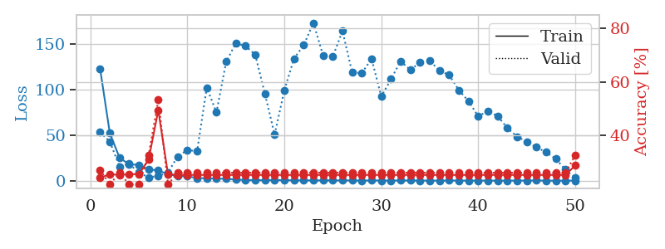
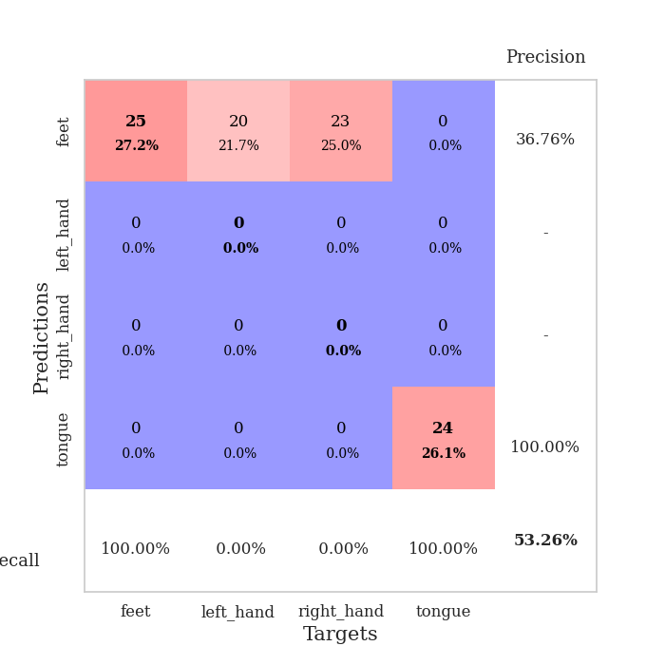
train_loss | valid_loss | train_accuracy | valid_accuracy | dur | train_misclass | valid_misclass
122.55889664 | 53.490669748 | 0.24184782609 | 0.27173913043 | 0.038074731827 | 24.184782609 | 27.173913043
52.367893982 | 43.224520974 | 0.25543478261 | 0.21739130435 | 0.035630702972 | 25.543478261 | 21.739130435
25.684492493 | 16.119427225 | 0.2527173913 | 0.26086956522 | 0.035562753677 | 25.27173913 | 26.086956522
18.356321526 | 18.999531787 | 0.25543478261 | 0.21739130435 | 0.035477638245 | 25.543478261 | 21.739130435
17.904882812 | 9.2867490105 | 0.25543478261 | 0.21739130435 | 0.035754442215 | 25.543478261 | 21.739130435
12.926112461 | 4.3353275009 | 0.3097826087 | 0.32608695652 | 0.035636663437 | 30.97826087 | 32.608695652
11.723145962 | 5.6240729042 | 0.49456521739 | 0.53260869565 | 0.036028385162 | 49.456521739 | 53.260869565
7.6154545307 | 9.6050211036 | 0.25543478261 | 0.21739130435 | 0.037264823914 | 25.543478261 | 21.739130435
5.5351876259 | 26.914396452 | 0.2527173913 | 0.26086956522 | 0.035634994507 | 25.27173913 | 26.086956522
5.3081267834 | 34.077420276 | 0.2527173913 | 0.26086956522 | 0.035865068436 | 25.27173913 | 26.086956522
3.4705147743 | 32.70760022 | 0.2527173913 | 0.26086956522 | 0.035707950592 | 25.27173913 | 26.086956522
3.2458287239 | 102.12142347 | 0.2527173913 | 0.26086956522 | 0.03559422493 | 25.27173913 | 26.086956522
2.894982028 | 75.027174576 | 0.2527173913 | 0.26086956522 | 0.03561425209 | 25.27173913 | 26.086956522
2.6205919743 | 130.24863235 | 0.2527173913 | 0.26086956522 | 0.035638332367 | 25.27173913 | 26.086956522
1.8239557028 | 150.58830129 | 0.2527173913 | 0.26086956522 | 0.035881280899 | 25.27173913 | 26.086956522
1.3738726735 | 147.46893244 | 0.2527173913 | 0.26086956522 | 0.035534858704 | 25.27173913 | 26.086956522
1.0965519071 | 137.95486583 | 0.2527173913 | 0.26086956522 | 0.035618543625 | 25.27173913 | 26.086956522
1.1828517199 | 95.252100074 | 0.2527173913 | 0.26086956522 | 0.035711288452 | 25.27173913 | 26.086956522
1.2546722889 | 50.817029041 | 0.2527173913 | 0.26086956522 | 0.035757303238 | 25.27173913 | 26.086956522
1.1213441253 | 99.051084104 | 0.2527173913 | 0.26086956522 | 0.036834001541 | 25.27173913 | 26.086956522
0.99105080366 | 133.8276261 | 0.2527173913 | 0.26086956522 | 0.035915851593 | 25.27173913 | 26.086956522
0.90493155718 | 148.34237671 | 0.2527173913 | 0.26086956522 | 0.036125183105 | 25.27173913 | 26.086956522
0.8694139719 | 172.75160217 | 0.2527173913 | 0.26086956522 | 0.03626537323 | 25.27173913 | 26.086956522
0.92732114792 | 137.10995483 | 0.2527173913 | 0.26086956522 | 0.036063671112 | 25.27173913 | 26.086956522
0.87616419792 | 135.94021009 | 0.2527173913 | 0.26086956522 | 0.035825967789 | 25.27173913 | 26.086956522
0.84946404696 | 163.80443872 | 0.2527173913 | 0.26086956522 | 0.036317825317 | 25.27173913 | 26.086956522
0.85785511732 | 118.53786867 | 0.2527173913 | 0.26086956522 | 0.035639286041 | 25.27173913 | 26.086956522
0.68875848055 | 117.91330321 | 0.2527173913 | 0.26086956522 | 0.036060810089 | 25.27173913 | 26.086956522
0.86777912378 | 133.54579826 | 0.2527173913 | 0.26086956522 | 0.035747051239 | 25.27173913 | 26.086956522
0.74335672855 | 92.491593402 | 0.2527173913 | 0.26086956522 | 0.035935401917 | 25.27173913 | 26.086956522
0.70059132576 | 111.21352453 | 0.2527173913 | 0.26086956522 | 0.036543130875 | 25.27173913 | 26.086956522
0.80332208872 | 131.00679414 | 0.2527173913 | 0.26086956522 | 0.035992622375 | 25.27173913 | 26.086956522
0.7817261219 | 121.36786685 | 0.2527173913 | 0.26086956522 | 0.035715818405 | 25.27173913 | 26.086956522
0.70328512192 | 129.6283974 | 0.2527173913 | 0.26086956522 | 0.036293268204 | 25.27173913 | 26.086956522
0.73873620033 | 131.59517968 | 0.2527173913 | 0.26086956522 | 0.035981893539 | 25.27173913 | 26.086956522
0.64620399475 | 120.46024721 | 0.2527173913 | 0.26086956522 | 0.03573513031 | 25.27173913 | 26.086956522
0.76914173365 | 115.9024907 | 0.2527173913 | 0.26086956522 | 0.035781383514 | 25.27173913 | 26.086956522
0.6954785049 | 99.30971693 | 0.2527173913 | 0.26086956522 | 0.035675525665 | 25.27173913 | 26.086956522
0.73039007187 | 87.367643937 | 0.2527173913 | 0.26086956522 | 0.035792350769 | 25.27173913 | 26.086956522
0.6486289978 | 70.861286329 | 0.2527173913 | 0.26086956522 | 0.035727977753 | 25.27173913 | 26.086956522
0.7020133853 | 76.577198526 | 0.2527173913 | 0.26086956522 | 0.035767793655 | 25.27173913 | 26.086956522
0.59327013493 | 71.10619885 | 0.2527173913 | 0.26086956522 | 0.035765886307 | 25.27173913 | 26.086956522
0.65613048077 | 58.118025241 | 0.2527173913 | 0.26086956522 | 0.035824298859 | 25.27173913 | 26.086956522
0.68048471212 | 48.674946163 | 0.2527173913 | 0.26086956522 | 0.036103725433 | 25.27173913 | 26.086956522
0.71607663631 | 43.207477238 | 0.2527173913 | 0.26086956522 | 0.036211013794 | 25.27173913 | 26.086956522
0.76815437078 | 37.01936672 | 0.2527173913 | 0.26086956522 | 0.036026716232 | 25.27173913 | 26.086956522
0.64234889746 | 31.595394798 | 0.2527173913 | 0.26086956522 | 0.035714864731 | 25.27173913 | 26.086956522
0.53905770779 | 24.478091862 | 0.2527173913 | 0.26086956522 | 0.035893678665 | 25.27173913 | 26.086956522
0.67811592817 | 12.539032356 | 0.2527173913 | 0.26086956522 | 0.036094427109 | 25.27173913 | 26.086956522
0.6271532774 | 3.8935523759 | 0.28804347826 | 0.32608695652 | 0.036085367203 | 28.804347826 | 32.608695652

Best Val accuracy is 0.532608695652174 and Best test accuracy is 0.49137931034482757

Sheet4
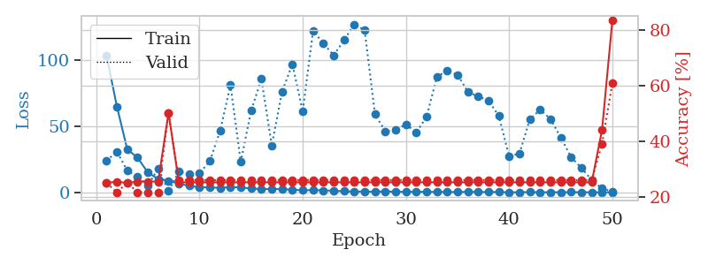
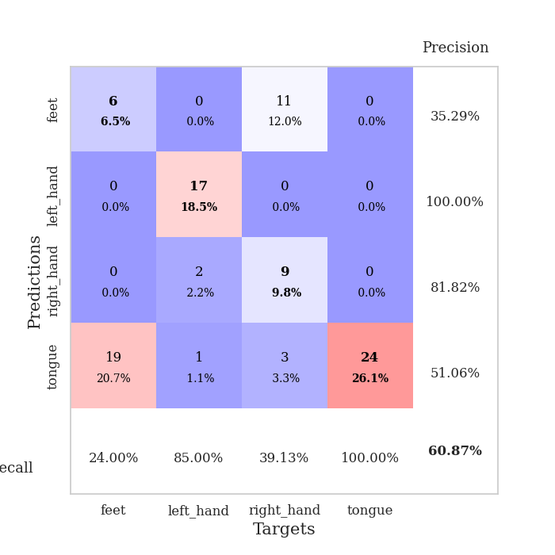
train_loss | valid_loss | train_accuracy | valid_accuracy | dur | train_misclass | valid_misclass
103.51668549 | 24.326601028 | 0.25 | 0.25 | 0.04027056694 | 25 | 25
65.152239227 | 31.203861817 | 0.25543478261 | 0.21739130435 | 0.037511587143 | 25.543478261 | 21.739130435
32.937786102 | 16.94426719 | 0.25 | 0.25 | 0.036721229553 | 25 | 25
26.642970085 | 12.482993789 | 0.25543478261 | 0.21739130435 | 0.036616802216 | 25.543478261 | 21.739130435
15.411912346 | 5.4547778213 | 0.25543478261 | 0.21739130435 | 0.036776304245 | 25.543478261 | 21.739130435
10.488486671 | 18.605057924 | 0.25543478261 | 0.21739130435 | 0.038810491562 | 25.543478261 | 21.739130435
9.2054296494 | 1.3466561722 | 0.5027173913 | 0.5 | 0.036168336868 | 50.27173913 | 50
7.1585204124 | 16.246515979 | 0.2527173913 | 0.26086956522 | 0.036080598831 | 25.27173913 | 26.086956522
5.3311192513 | 14.349616092 | 0.2527173913 | 0.26086956522 | 0.038612127304 | 25.27173913 | 26.086956522
4.360609293 | 14.856372294 | 0.2527173913 | 0.26086956522 | 0.036239862442 | 25.27173913 | 26.086956522
4.2278393745 | 23.985546444 | 0.2527173913 | 0.26086956522 | 0.036618947983 | 25.27173913 | 26.086956522
3.8706392288 | 46.817852684 | 0.2527173913 | 0.26086956522 | 0.036661148071 | 25.27173913 | 26.086956522
4.4600756168 | 81.486603447 | 0.2527173913 | 0.26086956522 | 0.03636264801 | 25.27173913 | 26.086956522
4.2886124611 | 23.41616614 | 0.2527173913 | 0.26086956522 | 0.036896705627 | 25.27173913 | 26.086956522
3.3544470787 | 62.05479398 | 0.2527173913 | 0.26086956522 | 0.036806344986 | 25.27173913 | 26.086956522
2.9522596121 | 85.976596666 | 0.2527173913 | 0.26086956522 | 0.036187648773 | 25.27173913 | 26.086956522
2.9485990047 | 35.733300582 | 0.2527173913 | 0.26086956522 | 0.036224842072 | 25.27173913 | 26.086956522
2.9502177238 | 76.445903281 | 0.2527173913 | 0.26086956522 | 0.036428928375 | 25.27173913 | 26.086956522
2.4620560646 | 97.181152012 | 0.2527173913 | 0.26086956522 | 0.039685487747 | 25.27173913 | 26.086956522
2.0525114536 | 61.412841631 | 0.2527173913 | 0.26086956522 | 0.035631418228 | 25.27173913 | 26.086956522
2.1515549898 | 122.25031247 | 0.2527173913 | 0.26086956522 | 0.035680055618 | 25.27173913 | 26.086956522
1.9841296792 | 112.85252878 | 0.2527173913 | 0.26086956522 | 0.035644769669 | 25.27173913 | 26.086956522
1.7044440508 | 103.82193955 | 0.2527173913 | 0.26086956522 | 0.035702943802 | 25.27173913 | 26.086956522
1.3314838648 | 115.249523 | 0.2527173913 | 0.26086956522 | 0.036205291748 | 25.27173913 | 26.086956522
1.0646327138 | 127.21657032 | 0.2527173913 | 0.26086956522 | 0.03689789772 | 25.27173913 | 26.086956522
1.10253613 | 122.82210408 | 0.2527173913 | 0.26086956522 | 0.036545991898 | 25.27173913 | 26.086956522
0.98209120035 | 59.352894493 | 0.2527173913 | 0.26086956522 | 0.036281108856 | 25.27173913 | 26.086956522
1.165299952 | 46.596604057 | 0.2527173913 | 0.26086956522 | 0.036680698395 | 25.27173913 | 26.086956522
0.94026911855 | 47.303859545 | 0.2527173913 | 0.26086956522 | 0.036871910095 | 25.27173913 | 26.086956522
0.88731319904 | 51.837550785 | 0.2527173913 | 0.26086956522 | 0.036149978638 | 25.27173913 | 26.086956522
0.93378469944 | 45.532384292 | 0.2527173913 | 0.26086956522 | 0.036167144775 | 25.27173913 | 26.086956522
0.83011893034 | 57.44481377 | 0.2527173913 | 0.26086956522 | 0.036977052689 | 25.27173913 | 26.086956522
0.8336873889 | 87.607300468 | 0.2527173913 | 0.26086956522 | 0.036489486694 | 25.27173913 | 26.086956522
0.81897321939 | 92.306228306 | 0.2527173913 | 0.26086956522 | 0.037335395813 | 25.27173913 | 26.086956522
0.67400689125 | 89.130820565 | 0.2527173913 | 0.26086956522 | 0.036492824554 | 25.27173913 | 26.086956522
0.92908881903 | 76.373088671 | 0.2527173913 | 0.26086956522 | 0.03754401207 | 25.27173913 | 26.086956522
0.73587767482 | 72.715554942 | 0.2527173913 | 0.26086956522 | 0.036281347275 | 25.27173913 | 26.086956522
0.75456370115 | 69.865840083 | 0.2527173913 | 0.26086956522 | 0.037940979004 | 25.27173913 | 26.086956522
0.76419662237 | 58.026359392 | 0.2527173913 | 0.26086956522 | 0.037234544754 | 25.27173913 | 26.086956522
0.49907162189 | 27.638172813 | 0.2527173913 | 0.26086956522 | 0.037607192993 | 25.27173913 | 26.086956522
0.59781664014 | 29.792279451 | 0.2527173913 | 0.26086956522 | 0.037050962448 | 25.27173913 | 26.086956522
0.72048472762 | 55.474130382 | 0.2527173913 | 0.26086956522 | 0.037060499191 | 25.27173913 | 26.086956522
0.59434491992 | 62.868090754 | 0.2527173913 | 0.26086956522 | 0.037699222565 | 25.27173913 | 26.086956522
0.58300329447 | 55.913657313 | 0.2527173913 | 0.26086956522 | 0.037264108658 | 25.27173913 | 26.086956522
0.59166802168 | 41.936996128 | 0.2527173913 | 0.26086956522 | 0.037717342377 | 25.27173913 | 26.086956522
0.67633064985 | 27.112781525 | 0.2527173913 | 0.26086956522 | 0.037372112274 | 25.27173913 | 26.086956522
0.53992424607 | 18.894030281 | 0.2527173913 | 0.26086956522 | 0.037175655365 | 25.27173913 | 26.086956522
0.57705385089 | 9.7035408849 | 0.2527173913 | 0.26086956522 | 0.037023305893 | 25.27173913 | 26.086956522
0.57111091018 | 3.3637600774 | 0.4402173913 | 0.39130434783 | 0.036650657654 | 44.02173913 | 39.130434783
0.54989104271 | 1.2172428473 | 0.83423913043 | 0.60869565217 | 0.036593675613 | 83.423913043 | 60.869565217

Best Val accuracy is 0.6086956521739131 and Best test accuracy is 0.6637931034482759

Sheet5
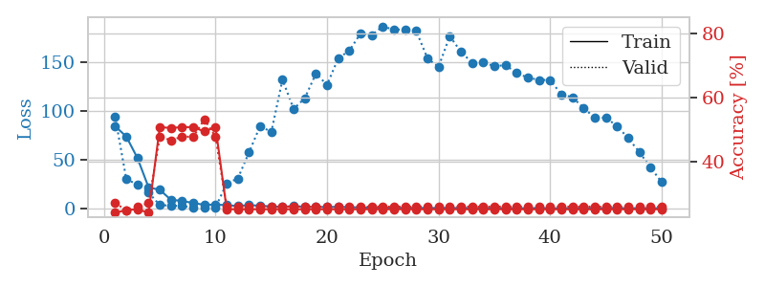
train_loss | valid_loss | train_accuracy | valid_accuracy | dur | train_misclass | valid_misclass
84.390228653 | 94.004785621 | 0.24184782609 | 0.27173913043 | 0.038896560669 | 24.184782609 | 27.173913043
73.783739471 | 30.082307069 | 0.25 | 0.25 | 0.037812948227 | 25 | 25
51.817652893 | 24.93538077 | 0.2527173913 | 0.26086956522 | 0.037756443024 | 25.27173913 | 26.086956522
21.779106426 | 16.414163755 | 0.24184782609 | 0.27173913043 | 0.036993265152 | 24.184782609 | 27.173913043
19.443460464 | 3.8538667741 | 0.50815217391 | 0.47826086957 | 0.037681341171 | 50.815217391 | 47.826086957
9.1648830414 | 3.2355369692 | 0.50543478261 | 0.46739130435 | 0.036767244339 | 50.543478261 | 46.739130435
8.1537438393 | 2.7991141444 | 0.50815217391 | 0.47826086957 | 0.036652088165 | 50.815217391 | 47.826086957
5.8228774071 | 1.3915272122 | 0.50815217391 | 0.47826086957 | 0.036943674088 | 50.815217391 | 47.826086957
4.1478240967 | 1.385551209 | 0.49456521739 | 0.53260869565 | 0.037102460861 | 49.456521739 | 53.260869565
4.336342907 | 1.6067384637 | 0.50815217391 | 0.47826086957 | 0.037705183029 | 50.815217391 | 47.826086957
3.7195668221 | 25.856527163 | 0.2527173913 | 0.26086956522 | 0.036599874496 | 25.27173913 | 26.086956522
2.8949465752 | 31.036371812 | 0.2527173913 | 0.26086956522 | 0.036977767944 | 25.27173913 | 26.086956522
3.7773439884 | 57.633623206 | 0.2527173913 | 0.26086956522 | 0.035894393921 | 25.27173913 | 26.086956522
3.1831625938 | 84.632974376 | 0.2527173913 | 0.26086956522 | 0.036657094955 | 25.27173913 | 26.086956522
2.4340262651 | 78.444951596 | 0.2527173913 | 0.26086956522 | 0.036849498749 | 25.27173913 | 26.086956522
2.1123271465 | 131.93509641 | 0.2527173913 | 0.26086956522 | 0.036724328995 | 25.27173913 | 26.086956522
2.7856080055 | 102.07802515 | 0.2527173913 | 0.26086956522 | 0.036547899246 | 25.27173913 | 26.086956522
2.1169805288 | 112.93292734 | 0.2527173913 | 0.26086956522 | 0.036625385284 | 25.27173913 | 26.086956522
2.0285434961 | 138.27072608 | 0.2527173913 | 0.26086956522 | 0.036286592484 | 25.27173913 | 26.086956522
1.7838512182 | 126.61780316 | 0.2527173913 | 0.26086956522 | 0.036820173264 | 25.27173913 | 26.086956522
2.1057205677 | 153.8395127 | 0.2527173913 | 0.26086956522 | 0.037692546844 | 25.27173913 | 26.086956522
1.6820272803 | 161.58561972 | 0.2527173913 | 0.26086956522 | 0.036667823792 | 25.27173913 | 26.086956522
1.3936333537 | 179.18524966 | 0.2527173913 | 0.26086956522 | 0.036592721939 | 25.27173913 | 26.086956522
1.165950036 | 177.46366484 | 0.2527173913 | 0.26086956522 | 0.036337614059 | 25.27173913 | 26.086956522
1.3808593988 | 186.44412829 | 0.2527173913 | 0.26086956522 | 0.036591768265 | 25.27173913 | 26.086956522
1.0201146603 | 182.85537653 | 0.2527173913 | 0.26086956522 | 0.036289691925 | 25.27173913 | 26.086956522
0.87618831396 | 183.44756218 | 0.2527173913 | 0.26086956522 | 0.036451816559 | 25.27173913 | 26.086956522
0.97578853369 | 181.59231634 | 0.2527173913 | 0.26086956522 | 0.036784887314 | 25.27173913 | 26.086956522
0.87551947832 | 153.69141089 | 0.2527173913 | 0.26086956522 | 0.036849975586 | 25.27173913 | 26.086956522
0.8515704751 | 145.10439997 | 0.2527173913 | 0.26086956522 | 0.037549257278 | 25.27173913 | 26.086956522
0.91277891397 | 176.47392273 | 0.2527173913 | 0.26086956522 | 0.036611318588 | 25.27173913 | 26.086956522
0.77396585941 | 160.45639569 | 0.2527173913 | 0.26086956522 | 0.036719083786 | 25.27173913 | 26.086956522
0.63572212458 | 149.29812954 | 0.2527173913 | 0.26086956522 | 0.036756515503 | 25.27173913 | 26.086956522
0.68385571241 | 150.21322035 | 0.2527173913 | 0.26086956522 | 0.036614894867 | 25.27173913 | 26.086956522
0.76252968311 | 145.42702385 | 0.2527173913 | 0.26086956522 | 0.036938905716 | 25.27173913 | 26.086956522
0.63991929889 | 147.01701886 | 0.2527173913 | 0.26086956522 | 0.036819458008 | 25.27173913 | 26.086956522
0.65110307932 | 138.6637633 | 0.2527173913 | 0.26086956522 | 0.036560535431 | 25.27173913 | 26.086956522
0.65507553816 | 134.02479321 | 0.2527173913 | 0.26086956522 | 0.036531209946 | 25.27173913 | 26.086956522
0.78601660728 | 131.70704551 | 0.2527173913 | 0.26086956522 | 0.036358118057 | 25.27173913 | 26.086956522
0.56697773337 | 131.6205514 | 0.2527173913 | 0.26086956522 | 0.03649353981 | 25.27173913 | 26.086956522
0.52269356847 | 116.9948621 | 0.2527173913 | 0.26086956522 | 0.036436080933 | 25.27173913 | 26.086956522
0.65472105742 | 113.91771366 | 0.2527173913 | 0.26086956522 | 0.03671503067 | 25.27173913 | 26.086956522
0.69752426744 | 103.0931904 | 0.2527173913 | 0.26086956522 | 0.036561489105 | 25.27173913 | 26.086956522
0.66319452524 | 92.939522121 | 0.2527173913 | 0.26086956522 | 0.036653518677 | 25.27173913 | 26.086956522
0.6586776495 | 93.113370481 | 0.2527173913 | 0.26086956522 | 0.036895990372 | 25.27173913 | 26.086956522
0.80833705664 | 84.473998028 | 0.2527173913 | 0.26086956522 | 0.036552667618 | 25.27173913 | 26.086956522
0.54781547785 | 72.245558697 | 0.2527173913 | 0.26086956522 | 0.038926124573 | 25.27173913 | 26.086956522
0.72723124027 | 57.919647549 | 0.2527173913 | 0.26086956522 | 0.036752462387 | 25.27173913 | 26.086956522
0.63096280098 | 42.336830968 | 0.2527173913 | 0.26086956522 | 0.036080121994 | 25.27173913 | 26.086956522
0.67323417068 | 27.200177483 | 0.2527173913 | 0.26086956522 | 0.036441802979 | 25.27173913 | 26.086956522

Best Val accuracy is 0.532608695652174 and Best test accuracy is 0.49137931034482757

Sheet6
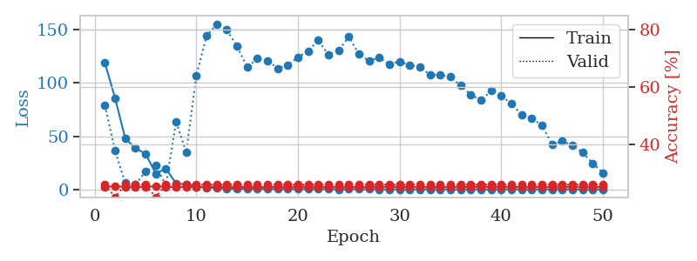
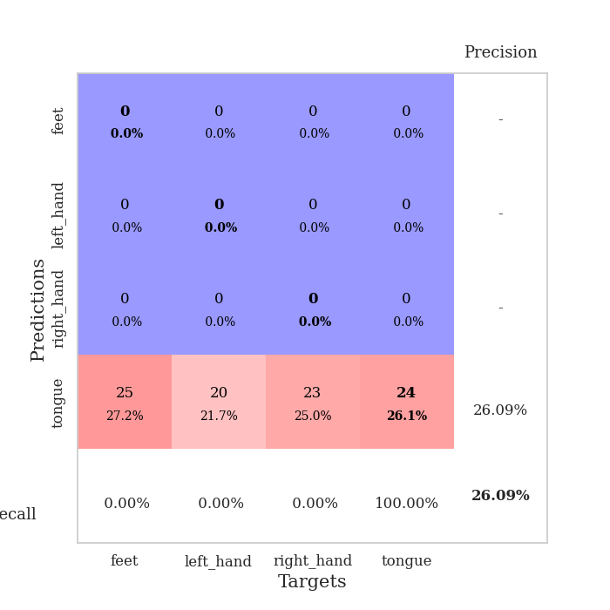
train_loss | valid_loss | train_accuracy | valid_accuracy | dur | train_misclass | valid_misclass
118.57814789 | 78.79874586 | 0.2527173913 | 0.26086956522 | 0.038739204407 | 25.27173913 | 26.086956522
85.662628174 | 36.574144778 | 0.25543478261 | 0.21739130435 | 0.037087917328 | 25.543478261 | 21.739130435
48.139492035 | 6.4680013035 | 0.2527173913 | 0.26086956522 | 0.036917209625 | 25.27173913 | 26.086956522
39.082800293 | 4.8704873997 | 0.2527173913 | 0.26086956522 | 0.036660194397 | 25.27173913 | 26.086956522
33.849467468 | 17.46945149 | 0.2527173913 | 0.26086956522 | 0.037397146225 | 25.27173913 | 26.086956522
15.371897125 | 22.853286992 | 0.25543478261 | 0.21739130435 | 0.03683590889 | 25.543478261 | 21.739130435
20.116880226 | 4.3509356561 | 0.2527173913 | 0.26086956522 | 0.036781311035 | 25.27173913 | 26.086956522
6.1735470295 | 63.763913528 | 0.2527173913 | 0.26086956522 | 0.036588907242 | 25.27173913 | 26.086956522
5.3212678432 | 35.311455934 | 0.2527173913 | 0.26086956522 | 0.036526679993 | 25.27173913 | 26.086956522
3.0321326733 | 107.04343016 | 0.2527173913 | 0.26086956522 | 0.037094593048 | 25.27173913 | 26.086956522
2.3960425377 | 143.67018791 | 0.2527173913 | 0.26086956522 | 0.036778450012 | 25.27173913 | 26.086956522
1.8877285719 | 154.98146057 | 0.2527173913 | 0.26086956522 | 0.036617517471 | 25.27173913 | 26.086956522
1.2457615376 | 149.6096762 | 0.2527173913 | 0.26086956522 | 0.036782741547 | 25.27173913 | 26.086956522
1.2127873778 | 134.03267238 | 0.2527173913 | 0.26086956522 | 0.037291526794 | 25.27173913 | 26.086956522
1.2291367173 | 114.69072126 | 0.2527173913 | 0.26086956522 | 0.037172079086 | 25.27173913 | 26.086956522
1.0078340292 | 122.63401197 | 0.2527173913 | 0.26086956522 | 0.036681890488 | 25.27173913 | 26.086956522
1.0059432507 | 120.66649263 | 0.2527173913 | 0.26086956522 | 0.036704540253 | 25.27173913 | 26.086956522
0.90939460993 | 113.56552588 | 0.2527173913 | 0.26086956522 | 0.036895036697 | 25.27173913 | 26.086956522
0.90777106285 | 116.76527139 | 0.2527173913 | 0.26086956522 | 0.036722183228 | 25.27173913 | 26.086956522
0.89195969105 | 123.91014298 | 0.2527173913 | 0.26086956522 | 0.036279439926 | 25.27173913 | 26.086956522
0.79972292185 | 129.73704695 | 0.2527173913 | 0.26086956522 | 0.036581516266 | 25.27173913 | 26.086956522
0.90614182949 | 139.69088413 | 0.2527173913 | 0.26086956522 | 0.036458730698 | 25.27173913 | 26.086956522
0.85158810616 | 126.13590937 | 0.2527173913 | 0.26086956522 | 0.037047863007 | 25.27173913 | 26.086956522
0.6918196559 | 130.13918304 | 0.2527173913 | 0.26086956522 | 0.036998987198 | 25.27173913 | 26.086956522
0.89957029819 | 143.07752394 | 0.2527173913 | 0.26086956522 | 0.036402702332 | 25.27173913 | 26.086956522
0.78218917847 | 126.68259762 | 0.2527173913 | 0.26086956522 | 0.036637544632 | 25.27173913 | 26.086956522
0.83096204996 | 120.46220033 | 0.2527173913 | 0.26086956522 | 0.036784172058 | 25.27173913 | 26.086956522
0.64691814184 | 123.87226669 | 0.2527173913 | 0.26086956522 | 0.036833286285 | 25.27173913 | 26.086956522
0.61678241491 | 117.18683691 | 0.2527173913 | 0.26086956522 | 0.036504268646 | 25.27173913 | 26.086956522
0.63007760644 | 120.03170677 | 0.2527173913 | 0.26086956522 | 0.036557912827 | 25.27173913 | 26.086956522
0.69155899286 | 116.28898853 | 0.2527173913 | 0.26086956522 | 0.03643989563 | 25.27173913 | 26.086956522
0.61886892319 | 114.98330025 | 0.2527173913 | 0.26086956522 | 0.037546157837 | 25.27173913 | 26.086956522
0.746582973 | 107.29833255 | 0.2527173913 | 0.26086956522 | 0.036774873734 | 25.27173913 | 26.086956522
0.76613453627 | 107.72633096 | 0.2527173913 | 0.26086956522 | 0.037416696548 | 25.27173913 | 26.086956522
0.65254528522 | 105.49917967 | 0.2527173913 | 0.26086956522 | 0.036843776703 | 25.27173913 | 26.086956522
0.63396813869 | 97.383454696 | 0.2527173913 | 0.26086956522 | 0.037399768829 | 25.27173913 | 26.086956522
0.60575016141 | 89.103282099 | 0.2527173913 | 0.26086956522 | 0.038448810577 | 25.27173913 | 26.086956522
0.59767965078 | 83.609496739 | 0.2527173913 | 0.26086956522 | 0.038100481033 | 25.27173913 | 26.086956522
0.63106631041 | 92.500955665 | 0.2527173913 | 0.26086956522 | 0.037456512451 | 25.27173913 | 26.086956522
0.63506294489 | 88.219473797 | 0.2527173913 | 0.26086956522 | 0.03816151619 | 25.27173913 | 26.086956522
0.65292797089 | 80.331173772 | 0.2527173913 | 0.26086956522 | 0.037631034851 | 25.27173913 | 26.086956522
0.64554737806 | 70.557031714 | 0.2527173913 | 0.26086956522 | 0.039912939072 | 25.27173913 | 26.086956522
0.58584042788 | 66.885162851 | 0.2527173913 | 0.26086956522 | 0.03830909729 | 25.27173913 | 26.086956522
0.6359490633 | 60.603979194 | 0.2527173913 | 0.26086956522 | 0.038910388947 | 25.27173913 | 26.086956522
0.66622098088 | 42.73181368 | 0.2527173913 | 0.26086956522 | 0.038981437683 | 25.27173913 | 26.086956522
0.66164283752 | 45.678920248 | 0.2527173913 | 0.26086956522 | 0.038885354996 | 25.27173913 | 26.086956522
0.60043341517 | 42.031330606 | 0.2527173913 | 0.26086956522 | 0.038208961487 | 25.27173913 | 26.086956522
0.61218285561 | 35.06746657 | 0.2527173913 | 0.26086956522 | 0.038373470306 | 25.27173913 | 26.086956522
0.5943220377 | 25.053196783 | 0.2527173913 | 0.26086956522 | 0.038299560547 | 25.27173913 | 26.086956522
0.67207095623 | 16.174863484 | 0.2527173913 | 0.26086956522 | 0.038699865341 | 25.27173913 | 26.086956522

Best Val accuracy is 0.2608695652173913 and Best test accuracy is 0.23275862068965517

Sheet7
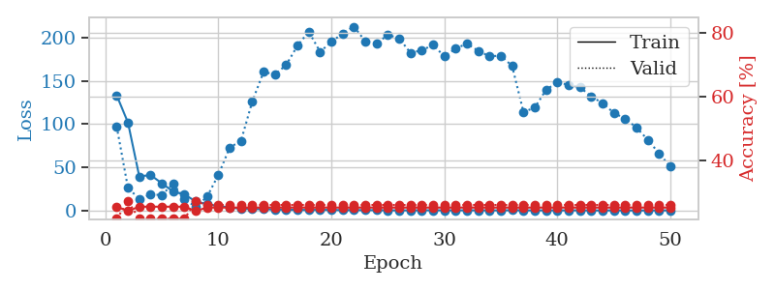
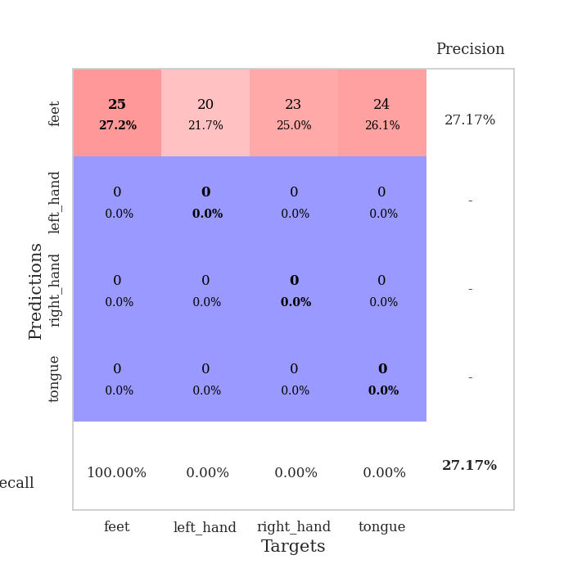
train_loss | valid_loss | train_accuracy | valid_accuracy | dur | train_misclass | valid_misclass
133.18329468 | 97.331091839 | 0.25543478261 | 0.21739130435 | 0.038580417633 | 25.543478261 | 21.739130435
101.89004364 | 26.411401417 | 0.24184782609 | 0.27173913043 | 0.03635931015 | 24.184782609 | 27.173913043
39.76189003 | 13.992090681 | 0.25543478261 | 0.21739130435 | 0.037428855896 | 25.543478261 | 21.739130435
41.324391556 | 18.748991344 | 0.25543478261 | 0.21739130435 | 0.037031173706 | 25.543478261 | 21.739130435
31.841515732 | 18.464502086 | 0.25543478261 | 0.21739130435 | 0.037904262543 | 25.543478261 | 21.739130435
22.256790161 | 31.432900056 | 0.25543478261 | 0.21739130435 | 0.037890672684 | 25.543478261 | 21.739130435
19.019272232 | 13.844796264 | 0.25543478261 | 0.21739130435 | 0.036471128464 | 25.543478261 | 21.739130435
10.910632896 | 4.4537024498 | 0.24184782609 | 0.27173913043 | 0.037657260895 | 24.184782609 | 27.173913043
7.9159698486 | 16.399484593 | 0.2527173913 | 0.26086956522 | 0.03718829155 | 25.27173913 | 26.086956522
5.5389309406 | 41.474723484 | 0.2527173913 | 0.26086956522 | 0.036964178085 | 25.27173913 | 26.086956522
4.1044010162 | 73.005250682 | 0.2527173913 | 0.26086956522 | 0.037159204483 | 25.27173913 | 26.086956522
2.5029608488 | 80.76342873 | 0.2527173913 | 0.26086956522 | 0.036993503571 | 25.27173913 | 26.086956522
2.1875533819 | 126.01811152 | 0.2527173913 | 0.26086956522 | 0.036953210831 | 25.27173913 | 26.086956522
1.9872578859 | 160.31219814 | 0.2527173913 | 0.26086956522 | 0.041773557663 | 25.27173913 | 26.086956522
1.5711938143 | 157.20079571 | 0.2527173913 | 0.26086956522 | 0.036066532135 | 25.27173913 | 26.086956522
1.3990471601 | 168.12077199 | 0.2527173913 | 0.26086956522 | 0.035853624344 | 25.27173913 | 26.086956522
1.2433548331 | 190.49993565 | 0.2527173913 | 0.26086956522 | 0.035800457001 | 25.27173913 | 26.086956522
1.0855294824 | 206.70229107 | 0.2527173913 | 0.26086956522 | 0.036071777344 | 25.27173913 | 26.086956522
1.27837888 | 183.47597006 | 0.2527173913 | 0.26086956522 | 0.03586935997 | 25.27173913 | 26.086956522
1.1298975945 | 194.71628803 | 0.2527173913 | 0.26086956522 | 0.035971641541 | 25.27173913 | 26.086956522
0.95686074495 | 204.60144773 | 0.2527173913 | 0.26086956522 | 0.035681724548 | 25.27173913 | 26.086956522
0.95368893147 | 212.467591 | 0.2527173913 | 0.26086956522 | 0.03592467308 | 25.27173913 | 26.086956522
0.93285033703 | 195.60764479 | 0.2527173913 | 0.26086956522 | 0.037734746933 | 25.27173913 | 26.086956522
0.88228110075 | 192.99509662 | 0.2527173913 | 0.26086956522 | 0.03440284729 | 25.27173913 | 26.086956522
0.70503268838 | 202.89489613 | 0.2527173913 | 0.26086956522 | 0.035676956177 | 25.27173913 | 26.086956522
0.66121366024 | 199.03750279 | 0.2527173913 | 0.26086956522 | 0.035193681717 | 25.27173913 | 26.086956522
0.64769105315 | 182.21197709 | 0.2527173913 | 0.26086956522 | 0.040784835815 | 25.27173913 | 26.086956522
0.76227164268 | 185.14634041 | 0.2527173913 | 0.26086956522 | 0.035655975342 | 25.27173913 | 26.086956522
0.76521145105 | 191.31690448 | 0.2527173913 | 0.26086956522 | 0.038724899292 | 25.27173913 | 26.086956522
0.73051989079 | 178.29136525 | 0.2527173913 | 0.26086956522 | 0.034753799438 | 25.27173913 | 26.086956522
0.72518216372 | 187.15699503 | 0.2527173913 | 0.26086956522 | 0.035449743271 | 25.27173913 | 26.086956522
0.72551513314 | 192.87760196 | 0.2527173913 | 0.26086956522 | 0.035130739212 | 25.27173913 | 26.086956522
0.72232544422 | 184.47986901 | 0.2527173913 | 0.26086956522 | 0.034842014313 | 25.27173913 | 26.086956522
0.6704061985 | 178.31249138 | 0.2527173913 | 0.26086956522 | 0.034650325775 | 25.27173913 | 26.086956522
0.61730651855 | 178.95422894 | 0.2527173913 | 0.26086956522 | 0.035443544388 | 25.27173913 | 26.086956522
0.82012243271 | 167.05674014 | 0.2527173913 | 0.26086956522 | 0.03514790535 | 25.27173913 | 26.086956522
0.6423566103 | 114.0528455 | 0.2527173913 | 0.26086956522 | 0.036165237427 | 25.27173913 | 26.086956522
0.6826615572 | 118.94644862 | 0.2527173913 | 0.26086956522 | 0.036226511002 | 25.27173913 | 26.086956522
0.6564645648 | 139.51082711 | 0.2527173913 | 0.26086956522 | 0.037045717239 | 25.27173913 | 26.086956522
0.66183208227 | 148.46076833 | 0.2527173913 | 0.26086956522 | 0.035857200623 | 25.27173913 | 26.086956522
0.63500664234 | 145.21979158 | 0.2527173913 | 0.26086956522 | 0.038261175156 | 25.27173913 | 26.086956522
0.70466001034 | 142.61554486 | 0.2527173913 | 0.26086956522 | 0.035781860352 | 25.27173913 | 26.086956522
0.56322152615 | 131.82533397 | 0.2527173913 | 0.26086956522 | 0.035071611404 | 25.27173913 | 26.086956522
0.53589999676 | 124.37428516 | 0.2527173913 | 0.26086956522 | 0.035263776779 | 25.27173913 | 26.086956522
0.68187549114 | 113.02271138 | 0.2527173913 | 0.26086956522 | 0.034962892532 | 25.27173913 | 26.086956522
0.55552563071 | 106.29940962 | 0.2527173913 | 0.26086956522 | 0.035106182098 | 25.27173913 | 26.086956522
0.57669288516 | 96.195400736 | 0.2527173913 | 0.26086956522 | 0.035189151764 | 25.27173913 | 26.086956522
0.51197884083 | 82.088696687 | 0.2527173913 | 0.26086956522 | 0.034824132919 | 25.27173913 | 26.086956522
0.61939815283 | 66.420064843 | 0.2527173913 | 0.26086956522 | 0.035418987274 | 25.27173913 | 26.086956522
0.63173466325 | 50.964374376 | 0.2527173913 | 0.26086956522 | 0.034867286682 | 25.27173913 | 26.086956522

Best Val accuracy is 0.2717391304347826 and Best test accuracy is 0.25862068965517243

Sheet8
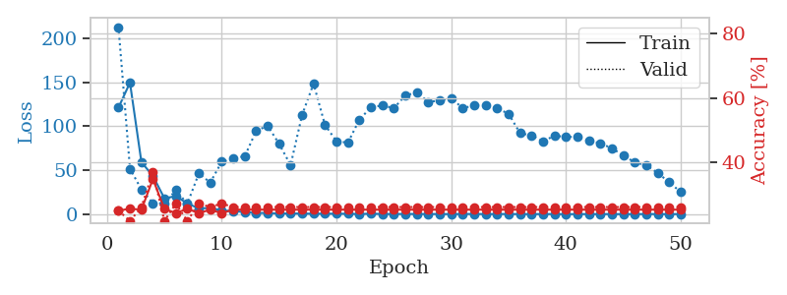
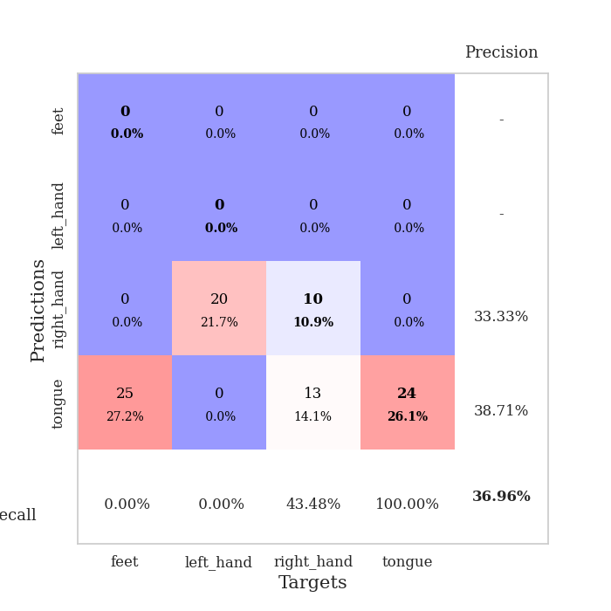
train_loss | valid_loss | train_accuracy | valid_accuracy | dur | train_misclass | valid_misclass
121.23288345 | 212.51457944 | 0.25 | 0.25 | 0.037861585617 | 25 | 25
149.5280365 | 52.042820143 | 0.25543478261 | 0.21739130435 | 0.037272453308 | 25.543478261 | 21.739130435
59.347492218 | 28.449624601 | 0.2527173913 | 0.26086956522 | 0.036106586456 | 25.27173913 | 26.086956522
43.862623596 | 12.818315796 | 0.34782608696 | 0.36956521739 | 0.038791656494 | 34.782608696 | 36.956521739
18.481639862 | 12.841355282 | 0.25543478261 | 0.21739130435 | 0.03644156456 | 25.543478261 | 21.739130435
20.856627846 | 27.648048484 | 0.24184782609 | 0.27173913043 | 0.041448116302 | 24.184782609 | 27.173913043
12.575309658 | 12.272275925 | 0.25543478261 | 0.21739130435 | 0.03604221344 | 25.543478261 | 21.739130435
7.0731163979 | 46.506476527 | 0.24184782609 | 0.27173913043 | 0.036538362503 | 24.184782609 | 27.173913043
7.4642856598 | 36.336890013 | 0.2527173913 | 0.26086956522 | 0.037059307098 | 25.27173913 | 26.086956522
4.6993557453 | 59.89349415 | 0.24184782609 | 0.27173913043 | 0.03736281395 | 24.184782609 | 27.173913043
4.0404118061 | 64.107242584 | 0.2527173913 | 0.26086956522 | 0.037354230881 | 25.27173913 | 26.086956522
2.8688849449 | 65.98507989 | 0.2527173913 | 0.26086956522 | 0.037978887558 | 25.27173913 | 26.086956522
1.8236602068 | 94.872300521 | 0.2527173913 | 0.26086956522 | 0.037549972534 | 25.27173913 | 26.086956522
1.8299376726 | 100.59655165 | 0.2527173913 | 0.26086956522 | 0.037472248077 | 25.27173913 | 26.086956522
1.2094080567 | 80.17793672 | 0.2527173913 | 0.26086956522 | 0.037564277649 | 25.27173913 | 26.086956522
1.236484158 | 56.081860086 | 0.2527173913 | 0.26086956522 | 0.041371107101 | 25.27173913 | 26.086956522
1.1747480869 | 112.76642874 | 0.2527173913 | 0.26086956522 | 0.036840438843 | 25.27173913 | 26.086956522
0.96879940033 | 148.35165472 | 0.2527173913 | 0.26086956522 | 0.037391662598 | 25.27173913 | 26.086956522
1.0242606401 | 101.46354377 | 0.2527173913 | 0.26086956522 | 0.037364721298 | 25.27173913 | 26.086956522
0.99863075018 | 83.11127671 | 0.2527173913 | 0.26086956522 | 0.037297964096 | 25.27173913 | 26.086956522
0.90770654678 | 81.521058124 | 0.2527173913 | 0.26086956522 | 0.036767721176 | 25.27173913 | 26.086956522
0.72854464054 | 107.70303842 | 0.2527173913 | 0.26086956522 | 0.03738284111 | 25.27173913 | 26.086956522
1.0299781561 | 121.52177695 | 0.2527173913 | 0.26086956522 | 0.037881851196 | 25.27173913 | 26.086956522
0.72654936314 | 123.73574133 | 0.2527173913 | 0.26086956522 | 0.037518501282 | 25.27173913 | 26.086956522
0.71042990088 | 120.55660712 | 0.2527173913 | 0.26086956522 | 0.037175655365 | 25.27173913 | 26.086956522
0.76221688986 | 135.00049027 | 0.2527173913 | 0.26086956522 | 0.037238359451 | 25.27173913 | 26.086956522
0.72785487175 | 138.33202462 | 0.2527173913 | 0.26086956522 | 0.037503242493 | 25.27173913 | 26.086956522
0.67870823741 | 127.72656781 | 0.2527173913 | 0.26086956522 | 0.037516593933 | 25.27173913 | 26.086956522
0.67397334576 | 129.18274457 | 0.2527173913 | 0.26086956522 | 0.037665367126 | 25.27173913 | 26.086956522
0.60395337939 | 132.0204418 | 0.2527173913 | 0.26086956522 | 0.037502527237 | 25.27173913 | 26.086956522
0.74415596724 | 120.58271259 | 0.2527173913 | 0.26086956522 | 0.038052558899 | 25.27173913 | 26.086956522
0.71870830655 | 123.72006524 | 0.2527173913 | 0.26086956522 | 0.03782582283 | 25.27173913 | 26.086956522
0.64702435732 | 123.49593353 | 0.2527173913 | 0.26086956522 | 0.036907672882 | 25.27173913 | 26.086956522
0.68058059216 | 120.32799265 | 0.2527173913 | 0.26086956522 | 0.03763794899 | 25.27173913 | 26.086956522
0.67469700575 | 114.32781087 | 0.2527173913 | 0.26086956522 | 0.038311719894 | 25.27173913 | 26.086956522
0.62991377711 | 92.274585558 | 0.2527173913 | 0.26086956522 | 0.037577629089 | 25.27173913 | 26.086956522
0.61099178195 | 89.717679894 | 0.2527173913 | 0.26086956522 | 0.037713527679 | 25.27173913 | 26.086956522
0.63865197897 | 82.62008468 | 0.2527173913 | 0.26086956522 | 0.037246704102 | 25.27173913 | 26.086956522
0.64250816107 | 89.644678862 | 0.2527173913 | 0.26086956522 | 0.037793397903 | 25.27173913 | 26.086956522
0.54783896208 | 87.854790397 | 0.2527173913 | 0.26086956522 | 0.037668704987 | 25.27173913 | 26.086956522
0.56134983897 | 88.38196232 | 0.2527173913 | 0.26086956522 | 0.037568569183 | 25.27173913 | 26.086956522
0.63408922553 | 83.298436372 | 0.2527173913 | 0.26086956522 | 0.037375688553 | 25.27173913 | 26.086956522
0.62564864159 | 80.910662112 | 0.2527173913 | 0.26086956522 | 0.037904500961 | 25.27173913 | 26.086956522
0.60880196095 | 75.061486617 | 0.2527173913 | 0.26086956522 | 0.037227392197 | 25.27173913 | 26.086956522
0.57907999158 | 67.1994473 | 0.2527173913 | 0.26086956522 | 0.038045883179 | 25.27173913 | 26.086956522
0.59187685251 | 59.069337098 | 0.2527173913 | 0.26086956522 | 0.037754535675 | 25.27173913 | 26.086956522
0.67371987104 | 55.991951818 | 0.2527173913 | 0.26086956522 | 0.037225723267 | 25.27173913 | 26.086956522
0.61351362467 | 47.142051199 | 0.2527173913 | 0.26086956522 | 0.039426326752 | 25.27173913 | 26.086956522
0.5731782794 | 36.649378569 | 0.2527173913 | 0.26086956522 | 0.037619829178 | 25.27173913 | 26.086956522
0.63645101786 | 25.550584461 | 0.2527173913 | 0.26086956522 | 0.037444353104 | 25.27173913 | 26.086956522

Best Val accuracy is 0.3695652173913043 and Best test accuracy is 0.35344827586206895

Sheet9
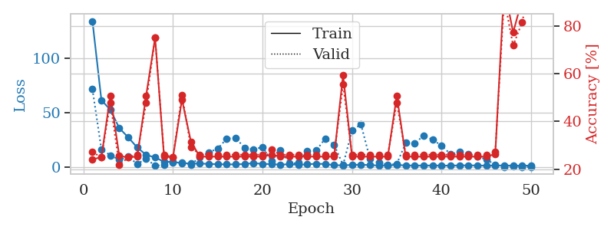
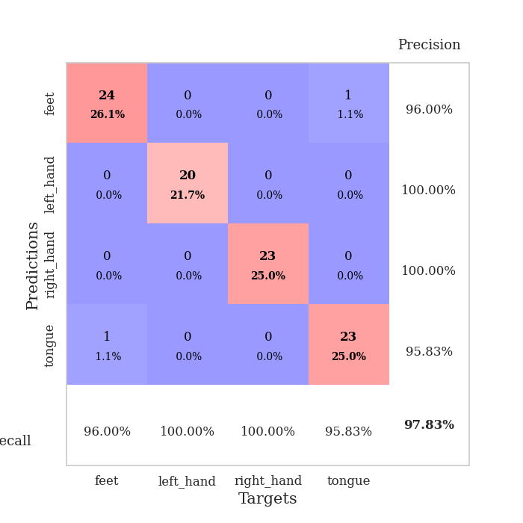
train_loss | valid_loss | train_accuracy | valid_accuracy | dur | train_misclass | valid_misclass
133.76311798 | 71.391826464 | 0.24184782609 | 0.27173913043 | 0.0411028862 | 24.184782609 | 27.173913043
61.40101738 | 16.380665074 | 0.25 | 0.25 | 0.036914348602 | 25 | 25
52.589319992 | 10.941176954 | 0.50815217391 | 0.47826086957 | 0.036402702332 | 50.815217391 | 47.826086957
35.824791718 | 6.8159262823 | 0.25543478261 | 0.21739130435 | 0.040409088135 | 25.543478261 | 21.739130435
27.296836662 | 9.5990597683 | 0.25 | 0.25 | 0.036654233932 | 25 | 25
18.073748207 | 3.0140904966 | 0.2527173913 | 0.26086956522 | 0.036184072495 | 25.27173913 | 26.086956522
11.301287937 | 7.7919407513 | 0.50815217391 | 0.47826086957 | 0.035996437073 | 50.815217391 | 47.826086957
8.9023775101 | 1.3772845476 | 0.75 | 0.75 | 0.036126613617 | 75 | 75
5.0349779129 | 2.0826978943 | 0.2527173913 | 0.26086956522 | 0.036311149597 | 25.27173913 | 26.086956522
4.8825445175 | 4.2078498757 | 0.25 | 0.25 | 0.03652715683 | 25 | 25
3.6989253998 | 4.2104292227 | 0.49184782609 | 0.51086956522 | 0.037327766418 | 49.184782609 | 51.086956522
3.3993486404 | 2.5295830602 | 0.3152173913 | 0.29347826087 | 0.037612199783 | 31.52173913 | 29.347826087
3.2981057167 | 8.9198512616 | 0.2527173913 | 0.26086956522 | 0.036792755127 | 25.27173913 | 26.086956522
3.0901103497 | 13.582638326 | 0.2527173913 | 0.26086956522 | 0.037472724915 | 25.27173913 | 26.086956522
2.6955862522 | 17.075014031 | 0.2527173913 | 0.26086956522 | 0.036936998367 | 25.27173913 | 26.086956522
2.6453085423 | 26.100299338 | 0.2527173913 | 0.26086956522 | 0.036578655243 | 25.27173913 | 26.086956522
2.5378725529 | 26.781113334 | 0.2527173913 | 0.26086956522 | 0.036443948746 | 25.27173913 | 26.086956522
2.9951457977 | 17.784258303 | 0.2527173913 | 0.26086956522 | 0.036786317825 | 25.27173913 | 26.086956522
3.7474502087 | 16.034428555 | 0.2527173913 | 0.26086956522 | 0.037003278732 | 25.27173913 | 26.086956522
3.0219621658 | 18.546568663 | 0.2527173913 | 0.26086956522 | 0.036814212799 | 25.27173913 | 26.086956522
2.8736866951 | 5.9842874278 | 0.26086956522 | 0.28260869565 | 0.037400960922 | 26.086956522 | 28.260869565
2.3563070059 | 15.334455283 | 0.2527173913 | 0.26086956522 | 0.0363240242 | 25.27173913 | 26.086956522
2.7528608799 | 3.2359582652 | 0.2527173913 | 0.26086956522 | 0.036801338196 | 25.27173913 | 26.086956522
2.2716501713 | 3.9517309873 | 0.2527173913 | 0.26086956522 | 0.037216186523 | 25.27173913 | 26.086956522
2.6844958305 | 14.986252246 | 0.2527173913 | 0.26086956522 | 0.036912441254 | 25.27173913 | 26.086956522
3.2087109566 | 15.250147239 | 0.2527173913 | 0.26086956522 | 0.037282466888 | 25.27173913 | 26.086956522
2.9370089531 | 26.287077613 | 0.2527173913 | 0.26086956522 | 0.036460399628 | 25.27173913 | 26.086956522
1.8945656776 | 20.482984377 | 0.2527173913 | 0.26086956522 | 0.037291765213 | 25.27173913 | 26.086956522
1.7104343891 | 1.9821952633 | 0.59510869565 | 0.55434782609 | 0.036211013794 | 59.510869565 | 55.434782609
2.1342159986 | 33.790127464 | 0.2527173913 | 0.26086956522 | 0.036545753479 | 25.27173913 | 26.086956522
2.3145217896 | 39.185710078 | 0.2527173913 | 0.26086956522 | 0.03698182106 | 25.27173913 | 26.086956522
1.9198177099 | 7.7742591319 | 0.2527173913 | 0.26086956522 | 0.037400245667 | 25.27173913 | 26.086956522
1.6199723482 | 4.0879876406 | 0.2527173913 | 0.26086956522 | 0.036989450455 | 25.27173913 | 26.086956522
1.6897206783 | 2.3035302162 | 0.2527173913 | 0.26086956522 | 0.03780913353 | 25.27173913 | 26.086956522
2.0199589729 | 2.9917086933 | 0.50815217391 | 0.47826086957 | 0.036680698395 | 50.815217391 | 47.826086957
1.6865869284 | 22.214429109 | 0.2527173913 | 0.26086956522 | 0.036826848984 | 25.27173913 | 26.086956522
1.5048464775 | 21.524827874 | 0.2527173913 | 0.26086956522 | 0.037394046783 | 25.27173913 | 26.086956522
1.5982766151 | 29.175511319 | 0.2527173913 | 0.26086956522 | 0.036416053772 | 25.27173913 | 26.086956522
1.5528151274 | 25.104516237 | 0.2527173913 | 0.26086956522 | 0.036664962769 | 25.27173913 | 26.086956522
1.5619579554 | 19.850071949 | 0.2527173913 | 0.26086956522 | 0.03727722168 | 25.27173913 | 26.086956522
1.4066745758 | 11.958186067 | 0.2527173913 | 0.26086956522 | 0.037657976151 | 25.27173913 | 26.086956522
1.7129077911 | 13.856108748 | 0.2527173913 | 0.26086956522 | 0.037004947662 | 25.27173913 | 26.086956522
1.6782175779 | 11.680100109 | 0.2527173913 | 0.26086956522 | 0.037341833115 | 25.27173913 | 26.086956522
1.6387173653 | 9.8208751678 | 0.2527173913 | 0.26086956522 | 0.037141799927 | 25.27173913 | 26.086956522
1.4232690811 | 7.0572305348 | 0.2527173913 | 0.26086956522 | 0.036264181137 | 25.27173913 | 26.086956522
1.4958705664 | 2.3361237671 | 0.26358695652 | 0.27173913043 | 0.037042379379 | 26.358695652 | 27.173913043
1.6370183706 | 0.25803828563 | 0.96195652174 | 0.91304347826 | 0.037704229355 | 96.195652174 | 91.304347826
1.4285842657 | 0.48995606018 | 0.77173913043 | 0.71739130435 | 0.037303686142 | 77.173913043 | 71.739130435
1.3565694094 | 0.3538236631 | 0.91032608696 | 0.8152173913 | 0.036548852921 | 91.032608696 | 81.52173913
1.5802715063 | 0.27069451498 | 0.98097826087 | 0.97826086957 | 0.037157773972 | 98.097826087 | 97.826086957

Best Val accuracy is 0.9782608695652174 and Best test accuracy is 0.9568965517241379

Sheet10
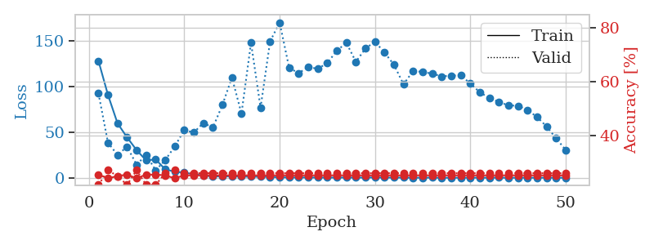
train_loss | valid_loss | train_accuracy | valid_accuracy | dur | train_misclass | valid_misclass
127.95980835 | 92.521801824 | 0.25543478261 | 0.21739130435 | 0.038186788559 | 25.543478261 | 21.739130435
90.765472412 | 38.705266538 | 0.24184782609 | 0.27173913043 | 0.036654233932 | 24.184782609 | 27.173913043
59.91044693 | 25.459911595 | 0.25 | 0.25 | 0.036518573761 | 25 | 25
44.615151978 | 34.392525217 | 0.25543478261 | 0.21739130435 | 0.036500692368 | 25.543478261 | 21.739130435
30.714677429 | 14.813095217 | 0.24184782609 | 0.27173913043 | 0.036408424377 | 24.184782609 | 27.173913043
19.463618469 | 25.495018503 | 0.25543478261 | 0.21739130435 | 0.040747404099 | 25.543478261 | 21.739130435
20.611100769 | 8.7055431656 | 0.25543478261 | 0.21739130435 | 0.037109613419 | 25.543478261 | 21.739130435
9.7321153641 | 19.836762636 | 0.2527173913 | 0.26086956522 | 0.038174152374 | 25.27173913 | 26.086956522
7.1922931671 | 34.634942262 | 0.24184782609 | 0.27173913043 | 0.036692380905 | 24.184782609 | 27.173913043
6.1830214977 | 52.609149601 | 0.2527173913 | 0.26086956522 | 0.036350250244 | 25.27173913 | 26.086956522
4.3818648338 | 49.860263824 | 0.2527173913 | 0.26086956522 | 0.036242246628 | 25.27173913 | 26.086956522
3.0463106632 | 60.299401325 | 0.2527173913 | 0.26086956522 | 0.036374092102 | 25.27173913 | 26.086956522
2.0099971294 | 55.196894604 | 0.2527173913 | 0.26086956522 | 0.037078380585 | 25.27173913 | 26.086956522
2.1200742006 | 79.984073141 | 0.2527173913 | 0.26086956522 | 0.036573410034 | 25.27173913 | 26.086956522
2.0883947134 | 109.80549887 | 0.2527173913 | 0.26086956522 | 0.036572694778 | 25.27173913 | 26.086956522
1.8695186853 | 70.438676917 | 0.2527173913 | 0.26086956522 | 0.036630153656 | 25.27173913 | 26.086956522
1.6578991413 | 147.74918266 | 0.2527173913 | 0.26086956522 | 0.037125825882 | 25.27173913 | 26.086956522
1.6908722162 | 76.916823014 | 0.2527173913 | 0.26086956522 | 0.037295818329 | 25.27173913 | 26.086956522
1.429662168 | 149.12066982 | 0.2527173913 | 0.26086956522 | 0.036751031876 | 25.27173913 | 26.086956522
1.1536099076 | 169.83203987 | 0.2527173913 | 0.26086956522 | 0.036461591721 | 25.27173913 | 26.086956522
0.82392632961 | 120.41690428 | 0.2527173913 | 0.26086956522 | 0.037472486496 | 25.27173913 | 26.086956522
0.95545175076 | 114.54800083 | 0.2527173913 | 0.26086956522 | 0.036106348038 | 25.27173913 | 26.086956522
0.85445058346 | 121.3806358 | 0.2527173913 | 0.26086956522 | 0.035974979401 | 25.27173913 | 26.086956522
0.81700634956 | 119.28485439 | 0.2527173913 | 0.26086956522 | 0.038019418716 | 25.27173913 | 26.086956522
0.76813378334 | 125.64938786 | 0.2527173913 | 0.26086956522 | 0.036804914474 | 25.27173913 | 26.086956522
0.76617277861 | 139.02322587 | 0.2527173913 | 0.26086956522 | 0.036161184311 | 25.27173913 | 26.086956522
0.8322599411 | 147.69593811 | 0.2527173913 | 0.26086956522 | 0.03693985939 | 25.27173913 | 26.086956522
0.78518257141 | 126.98193625 | 0.2527173913 | 0.26086956522 | 0.036749124527 | 25.27173913 | 26.086956522
0.75267672539 | 141.48437102 | 0.2527173913 | 0.26086956522 | 0.036596536636 | 25.27173913 | 26.086956522
0.95023868084 | 148.86514879 | 0.2527173913 | 0.26086956522 | 0.036059141159 | 25.27173913 | 26.086956522
0.7919685483 | 137.11793717 | 0.2527173913 | 0.26086956522 | 0.036130666733 | 25.27173913 | 26.086956522
0.71005475521 | 123.60314875 | 0.2527173913 | 0.26086956522 | 0.036021232605 | 25.27173913 | 26.086956522
0.73572460413 | 102.29270139 | 0.2527173913 | 0.26086956522 | 0.035979986191 | 25.27173913 | 26.086956522
0.63602478504 | 117.11875318 | 0.2527173913 | 0.26086956522 | 0.037486791611 | 25.27173913 | 26.086956522
0.67088528872 | 115.86428136 | 0.2527173913 | 0.26086956522 | 0.036968946457 | 25.27173913 | 26.086956522
0.72523013353 | 114.04336846 | 0.2527173913 | 0.26086956522 | 0.035858392715 | 25.27173913 | 26.086956522
0.57928849459 | 111.08667059 | 0.2527173913 | 0.26086956522 | 0.036512136459 | 25.27173913 | 26.086956522
0.59715072513 | 111.8498366 | 0.2527173913 | 0.26086956522 | 0.036004066467 | 25.27173913 | 26.086956522
0.61551250219 | 112.09605441 | 0.2527173913 | 0.26086956522 | 0.036065816879 | 25.27173913 | 26.086956522
0.69645850658 | 103.35447195 | 0.2527173913 | 0.26086956522 | 0.036400556564 | 25.27173913 | 26.086956522
0.66638376117 | 93.63318236 | 0.2527173913 | 0.26086956522 | 0.037104606628 | 25.27173913 | 26.086956522
0.62383868694 | 87.615726969 | 0.2527173913 | 0.26086956522 | 0.036446809769 | 25.27173913 | 26.086956522
0.72695692778 | 83.158152373 | 0.2527173913 | 0.26086956522 | 0.037655115128 | 25.27173913 | 26.086956522
0.49347656965 | 79.463450888 | 0.2527173913 | 0.26086956522 | 0.036072254181 | 25.27173913 | 26.086956522
0.66639180183 | 79.023936396 | 0.2527173913 | 0.26086956522 | 0.038227796555 | 25.27173913 | 26.086956522
0.65198428631 | 74.492195129 | 0.2527173913 | 0.26086956522 | 0.036708831787 | 25.27173913 | 26.086956522
0.60009865761 | 66.741705687 | 0.2527173913 | 0.26086956522 | 0.036368370056 | 25.27173913 | 26.086956522
0.66969531178 | 56.488738848 | 0.2527173913 | 0.26086956522 | 0.035880804062 | 25.27173913 | 26.086956522
0.61277552247 | 43.583715356 | 0.2527173913 | 0.26086956522 | 0.035887241364 | 25.27173913 | 26.086956522
0.59256496429 | 30.894413907 | 0.2527173913 | 0.26086956522 | 0.037481546402 | 25.27173913 | 26.086956522

Best Val accuracy is 0.2717391304347826 and Best test accuracy is 0.25862068965517243

