Sheet
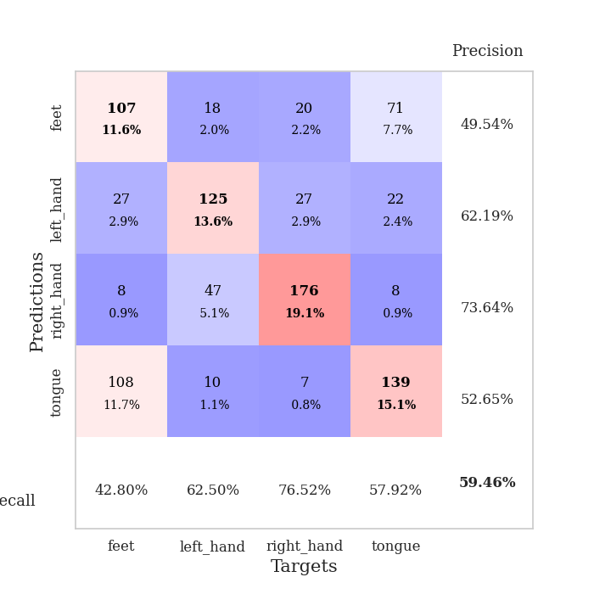
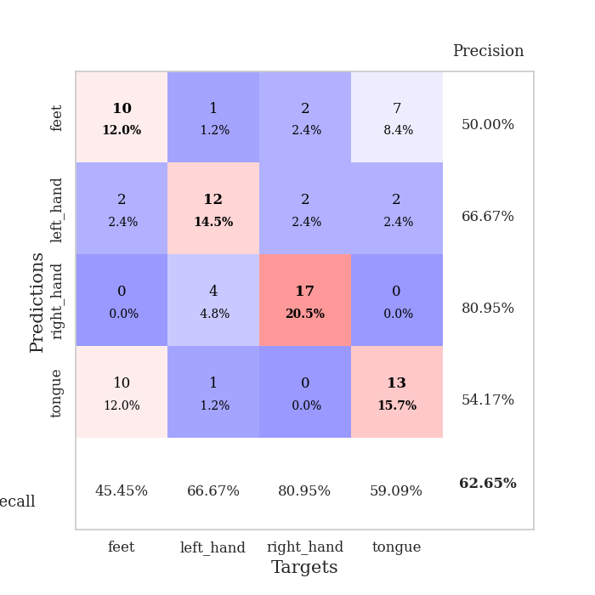
best_val_acc | best_val_los | best_test_acc
0.5652173913 | 1.5057420264 | 0.54310344828
0.58695652174 | 1.6804148373 | 0.56034482759
0.58695652174 | 1.6197226669 | 0.60344827586
0.57608695652 | 1.5268433716 | 0.54310344828
0.59782608696 | 1.5303129891 | 0.56896551724
0.60869565217 | 1.4191778846 | 0.56896551724
0.59782608696 | 1.3921258501 | 0.62068965517
0.63043478261 | 1.4973708288 | 0.5775862069
0.59782608696 | 1.3904505528 | 0.53448275862
0.59782608696 | 1.69907658 | 0.55172413793

Mean,std Val accuracy is 0.5945652173913043 , 0.017786866244396498 and mean, std test accuracy is 0.5672413793103448 , 0.027502266928748048

Sheet1
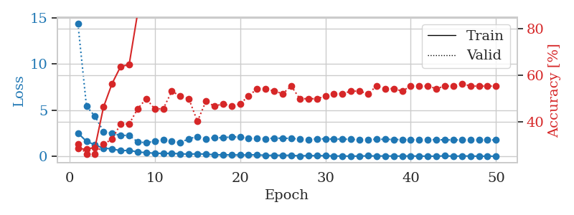
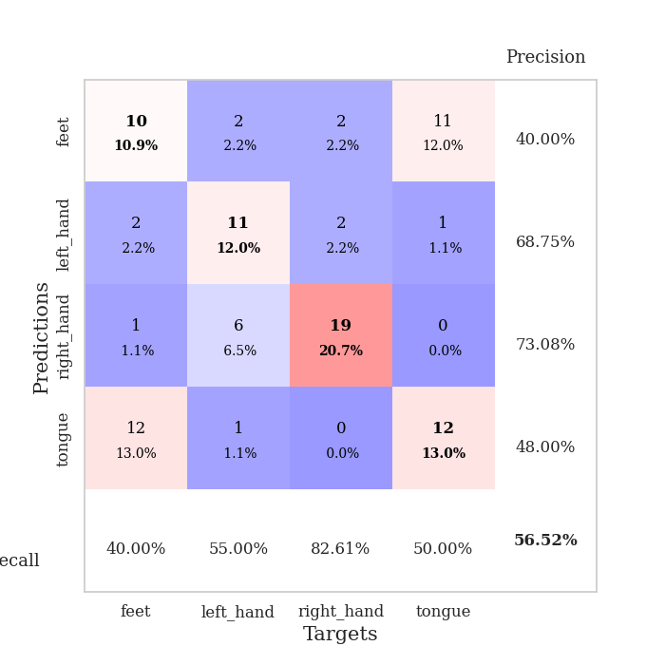
train_loss | valid_loss | train_accuracy | valid_accuracy | dur | train_misclass | valid_misclass
2.5437536478 | 14.335206032 | 0.28532608696 | 0.30434782609 | 0.31934642792 | 28.532608696 | 30.434782609
1.647779727 | 5.4483852801 | 0.28260869565 | 0.26086956522 | 0.034493923187 | 28.260869565 | 26.086956522
1.2652063608 | 4.34848406 | 0.29076086957 | 0.26086956522 | 0.033077001572 | 29.076086957 | 26.086956522
0.898447752 | 2.7002765096 | 0.46467391304 | 0.30434782609 | 0.032130718231 | 46.467391304 | 30.434782609
0.84112718105 | 2.5135562109 | 0.5652173913 | 0.32608695652 | 0.032583713531 | 56.52173913 | 32.608695652
0.622347188 | 2.2758701625 | 0.63858695652 | 0.39130434783 | 0.033393621445 | 63.858695652 | 39.130434783
0.68218455315 | 2.3047891181 | 0.64673913043 | 0.39130434783 | 0.032664060593 | 64.673913043 | 39.130434783
0.49033448696 | 1.5738971959 | 0.86956521739 | 0.45652173913 | 0.033202409744 | 86.956521739 | 45.652173913
0.42756891847 | 1.5057420264 | 0.92119565217 | 0.5 | 0.032738208771 | 92.119565217 | 50
0.36037108302 | 1.6441174331 | 0.92391304348 | 0.45652173913 | 0.032161951065 | 92.391304348 | 45.652173913
0.34378444552 | 1.8173902657 | 0.94565217391 | 0.45652173913 | 0.033007860184 | 94.565217391 | 45.652173913
0.34751642346 | 1.641802 | 0.95923913043 | 0.53260869565 | 0.033546447754 | 95.923913043 | 53.260869565
0.30109659135 | 1.5183335284 | 0.97282608696 | 0.51086956522 | 0.033779621124 | 97.282608696 | 51.086956522
0.25961359292 | 1.9268598401 | 0.95108695652 | 0.5 | 0.032844305038 | 95.108695652 | 50
0.29808121324 | 2.1593976954 | 0.88043478261 | 0.40217391304 | 0.032979011536 | 88.043478261 | 40.217391304
0.2630030036 | 1.932499331 | 0.98641304348 | 0.48913043478 | 0.033197164536 | 98.641304348 | 48.913043478
0.20164068341 | 2.0495317397 | 0.97282608696 | 0.46739130435 | 0.032979249954 | 97.282608696 | 46.739130435
0.18260573745 | 2.0257917954 | 0.97826086957 | 0.47826086957 | 0.033087015152 | 97.826086957 | 47.826086957
0.18548939228 | 2.1414147201 | 0.97282608696 | 0.46739130435 | 0.032485246658 | 97.282608696 | 46.739130435
0.16547937244 | 2.104225791 | 0.99456521739 | 0.47826086957 | 0.032947540283 | 99.456521739 | 47.826086957
0.17790630609 | 1.9652649009 | 0.99184782609 | 0.51086956522 | 0.0329682827 | 99.184782609 | 51.086956522
0.19262315333 | 1.9378566457 | 0.98641304348 | 0.54347826087 | 0.032875537872 | 98.641304348 | 54.347826087
0.12540301383 | 1.9247481305 | 0.9972826087 | 0.54347826087 | 0.033165931702 | 99.72826087 | 54.347826087
0.13600395694 | 1.99791745 | 0.98913043478 | 0.53260869565 | 0.032998085022 | 98.913043478 | 53.260869565
0.13761157393 | 1.9777109156 | 0.9972826087 | 0.52173913043 | 0.03288269043 | 99.72826087 | 52.173913043
0.13371576816 | 1.972896493 | 1 | 0.55434782609 | 0.032962322235 | 100 | 55.434782609
0.074060707539 | 1.8832762449 | 1 | 0.5 | 0.033110380173 | 100 | 50
0.10257958174 | 1.8320687232 | 1 | 0.5 | 0.032914161682 | 100 | 50
0.09511898309 | 1.9117754801 | 1 | 0.5 | 0.032865762711 | 100 | 50
0.095525994897 | 1.9191857991 | 1 | 0.51086956522 | 0.03293633461 | 100 | 51.086956522
0.059377165884 | 1.8841396518 | 1 | 0.52173913043 | 0.032865285873 | 100 | 52.173913043
0.059503832459 | 1.8909511618 | 1 | 0.52173913043 | 0.032970428467 | 100 | 52.173913043
0.042368926853 | 1.8601620249 | 1 | 0.53260869565 | 0.032899618149 | 100 | 53.260869565
0.0536222592 | 1.8283499842 | 1 | 0.53260869565 | 0.032905340195 | 100 | 53.260869565
0.074741733074 | 1.8443958086 | 1 | 0.52173913043 | 0.032854557037 | 100 | 52.173913043
0.063133173808 | 1.864379095 | 1 | 0.55434782609 | 0.032782554626 | 100 | 55.434782609
0.064128828421 | 1.8714877315 | 1 | 0.54347826087 | 0.032852888107 | 100 | 54.347826087
0.057258499973 | 1.8497479947 | 1 | 0.54347826087 | 0.032816410065 | 100 | 54.347826087
0.051730840653 | 1.836106093 | 1 | 0.53260869565 | 0.032805919647 | 100 | 53.260869565
0.064715467393 | 1.8208273131 | 1 | 0.55434782609 | 0.032919406891 | 100 | 55.434782609
0.045894652978 | 1.8242012159 | 1 | 0.55434782609 | 0.033091306686 | 100 | 55.434782609
0.046791775152 | 1.8313101789 | 1 | 0.55434782609 | 0.032838106155 | 100 | 55.434782609
0.03806517534 | 1.8228211921 | 1 | 0.54347826087 | 0.033039093018 | 100 | 54.347826087
0.080530817062 | 1.8062754196 | 1 | 0.55434782609 | 0.032895565033 | 100 | 55.434782609
0.040251866728 | 1.7985475011 | 1 | 0.55434782609 | 0.032947301865 | 100 | 55.434782609
0.062209834903 | 1.7966684103 | 1 | 0.5652173913 | 0.032935380936 | 100 | 56.52173913
0.057945129275 | 1.7993662824 | 1 | 0.55434782609 | 0.033137559891 | 100 | 55.434782609
0.035826152936 | 1.7977315239 | 1 | 0.55434782609 | 0.032919645309 | 100 | 55.434782609
0.046418680251 | 1.7947327106 | 1 | 0.55434782609 | 0.032912969589 | 100 | 55.434782609
0.033530913666 | 1.7958663339 | 1 | 0.55434782609 | 0.03293299675 | 100 | 55.434782609

Best Val accuracy is 0.5652173913043478 and Best test accuracy is 0.5431034482758621

Sheet2
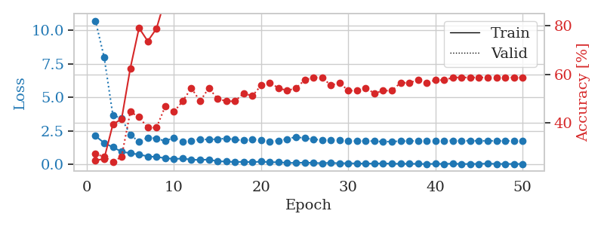
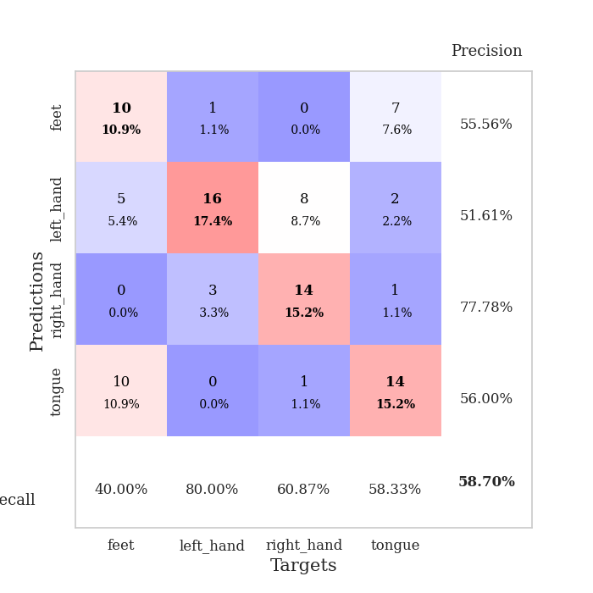
train_loss | valid_loss | train_accuracy | valid_accuracy | dur | train_misclass | valid_misclass
2.129898715 | 10.693056314 | 0.24456521739 | 0.27173913043 | 0.03484082222 | 24.456521739 | 27.173913043
1.6068933249 | 7.9699521687 | 0.2527173913 | 0.26086956522 | 0.033478736877 | 25.27173913 | 26.086956522
1.2907738447 | 3.6706521407 | 0.39402173913 | 0.23913043478 | 0.033363580704 | 39.402173913 | 23.913043478
0.95953979492 | 3.424431521 | 0.41576086957 | 0.26086956522 | 0.032466888428 | 41.576086957 | 26.086956522
0.84141060114 | 2.2254452809 | 0.625 | 0.44565217391 | 0.032377004623 | 62.5 | 44.565217391
0.74937351942 | 1.6804148373 | 0.79076086957 | 0.42391304348 | 0.033307552338 | 79.076086957 | 42.391304348
0.61073204279 | 2.0056739475 | 0.73641304348 | 0.38043478261 | 0.034038305283 | 73.641304348 | 38.043478261
0.56497423649 | 1.9398998489 | 0.78804347826 | 0.38043478261 | 0.033100366592 | 78.804347826 | 38.043478261
0.4835424304 | 1.7472691329 | 0.91032608696 | 0.46739130435 | 0.033127069473 | 91.032608696 | 46.739130435
0.41641272902 | 1.9953241245 | 0.86413043478 | 0.44565217391 | 0.037339925766 | 86.413043478 | 44.565217391
0.45009217858 | 1.7239437 | 0.9347826087 | 0.48913043478 | 0.033075094223 | 93.47826087 | 48.913043478
0.36695958376 | 1.7885363206 | 0.9347826087 | 0.54347826087 | 0.032606601715 | 93.47826087 | 54.347826087
0.34191716015 | 1.8866844333 | 0.9347826087 | 0.48913043478 | 0.032436609268 | 93.47826087 | 48.913043478
0.37854402661 | 1.858709325 | 0.97282608696 | 0.54347826087 | 0.034651517868 | 97.282608696 | 54.347826087
0.24051180482 | 1.8929049606 | 0.97010869565 | 0.5 | 0.032241821289 | 97.010869565 | 50
0.2309458375 | 1.9482039472 | 0.95380434783 | 0.48913043478 | 0.032052755356 | 95.380434783 | 48.913043478
0.18624324352 | 1.8579883161 | 0.98641304348 | 0.48913043478 | 0.032044410706 | 98.641304348 | 48.913043478
0.21199637055 | 1.7907918951 | 0.97826086957 | 0.52173913043 | 0.032631158829 | 97.826086957 | 52.173913043
0.17850505561 | 1.8927250219 | 0.97554347826 | 0.51086956522 | 0.032709598541 | 97.554347826 | 51.086956522
0.22250905037 | 1.7939678275 | 0.99184782609 | 0.55434782609 | 0.033463716507 | 99.184782609 | 55.434782609
0.17656807005 | 1.7251103546 | 0.99184782609 | 0.5652173913 | 0.032932519913 | 99.184782609 | 56.52173913
0.17380043194 | 1.7787476286 | 1 | 0.54347826087 | 0.033569812775 | 100 | 54.347826087
0.12499188483 | 1.8995633384 | 1 | 0.53260869565 | 0.033075809479 | 100 | 53.260869565
0.12710511982 | 2.0566380076 | 0.99456521739 | 0.54347826087 | 0.032692193985 | 99.456521739 | 54.347826087
0.14658896923 | 1.9601421408 | 0.99456521739 | 0.57608695652 | 0.032639026642 | 99.456521739 | 57.608695652
0.12483523339 | 1.8836697651 | 0.99184782609 | 0.58695652174 | 0.033454179764 | 99.184782609 | 58.695652174
0.099881023914 | 1.8251258316 | 0.9972826087 | 0.58695652174 | 0.0334649086 | 99.72826087 | 58.695652174
0.13397132158 | 1.7996719661 | 1 | 0.55434782609 | 0.03270149231 | 100 | 55.434782609
0.088794443011 | 1.8383749568 | 0.99456521739 | 0.5652173913 | 0.03254365921 | 99.456521739 | 56.52173913
0.10667601228 | 1.7598606193 | 1 | 0.53260869565 | 0.032631874084 | 100 | 53.260869565
0.075735188276 | 1.7505764391 | 1 | 0.53260869565 | 0.032511711121 | 100 | 53.260869565
0.079927041754 | 1.7558988229 | 1 | 0.54347826087 | 0.03243470192 | 100 | 54.347826087
0.0720639579 | 1.743241761 | 1 | 0.52173913043 | 0.033320188522 | 100 | 52.173913043
0.092123369873 | 1.6961667771 | 1 | 0.53260869565 | 0.031433820724 | 100 | 53.260869565
0.060578589886 | 1.7167778378 | 1 | 0.53260869565 | 0.033185958862 | 100 | 53.260869565
0.061893755198 | 1.7364128102 | 1 | 0.5652173913 | 0.032222747803 | 100 | 56.52173913
0.06063098684 | 1.751253071 | 1 | 0.5652173913 | 0.032408952713 | 100 | 56.52173913
0.056269715726 | 1.7614258217 | 1 | 0.57608695652 | 0.032398223877 | 100 | 57.608695652
0.039710596949 | 1.7707051246 | 1 | 0.5652173913 | 0.032503604889 | 100 | 56.52173913
0.062771924771 | 1.7776533935 | 1 | 0.57608695652 | 0.032445192337 | 100 | 57.608695652
0.047129863501 | 1.7846769198 | 1 | 0.57608695652 | 0.032386302948 | 100 | 57.608695652
0.075112567842 | 1.7816711042 | 1 | 0.58695652174 | 0.03244304657 | 100 | 58.695652174
0.042281521857 | 1.7767588678 | 1 | 0.58695652174 | 0.032428503036 | 100 | 58.695652174
0.049052070826 | 1.7684496486 | 1 | 0.58695652174 | 0.032505750656 | 100 | 58.695652174
0.052003045753 | 1.7648639575 | 1 | 0.58695652174 | 0.032420396805 | 100 | 58.695652174
0.075337652117 | 1.7631423681 | 1 | 0.58695652174 | 0.032521486282 | 100 | 58.695652174
0.050077061728 | 1.7613545449 | 1 | 0.58695652174 | 0.032502651215 | 100 | 58.695652174
0.050197826698 | 1.7611282079 | 1 | 0.58695652174 | 0.032486200333 | 100 | 58.695652174
0.045908835158 | 1.7574166059 | 1 | 0.58695652174 | 0.032473802567 | 100 | 58.695652174
0.051123160496 | 1.7571255331 | 1 | 0.58695652174 | 0.032494544983 | 100 | 58.695652174

Best Val accuracy is 0.5869565217391305 and Best test accuracy is 0.5603448275862069

Sheet3
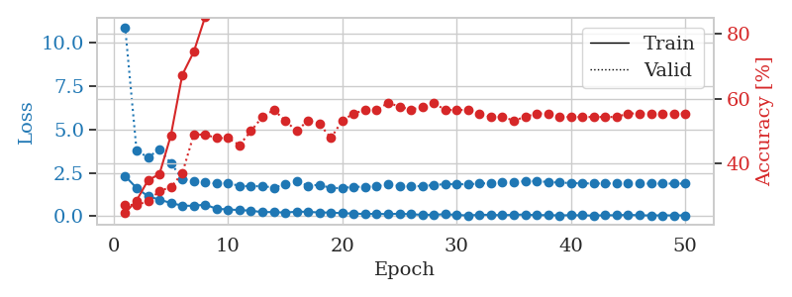
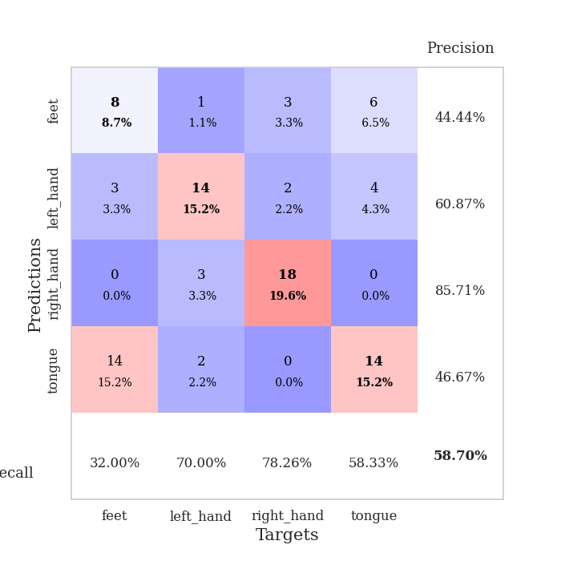
train_loss | valid_loss | train_accuracy | valid_accuracy | dur | train_misclass | valid_misclass
2.3100330353 | 10.885212774 | 0.2472826087 | 0.27173913043 | 0.035503864288 | 24.72826087 | 27.173913043
1.6206212282 | 3.7603881463 | 0.28532608696 | 0.27173913043 | 0.035065174103 | 28.532608696 | 27.173913043
1.1466421843 | 3.3986972104 | 0.34782608696 | 0.28260869565 | 0.034814596176 | 34.782608696 | 28.260869565
0.95276371241 | 3.8345770836 | 0.36684782609 | 0.3152173913 | 0.035073280334 | 36.684782609 | 31.52173913
0.75761239529 | 3.0477094132 | 0.48641304348 | 0.32608695652 | 0.035006999969 | 48.641304348 | 32.608695652
0.605368644 | 2.152991865 | 0.67391304348 | 0.36956521739 | 0.035207033157 | 67.391304348 | 36.956521739
0.59396280646 | 2.0185173283 | 0.74456521739 | 0.48913043478 | 0.035194158554 | 74.456521739 | 48.913043478
0.66715353131 | 1.9585847025 | 0.85326086957 | 0.48913043478 | 0.035144329071 | 85.326086957 | 48.913043478
0.4227425158 | 1.8772030551 | 0.86684782609 | 0.47826086957 | 0.034988164902 | 86.684782609 | 47.826086957
0.38848800659 | 1.9020433167 | 0.88586956522 | 0.47826086957 | 0.034914016724 | 88.586956522 | 47.826086957
0.34948975742 | 1.7462703508 | 0.94565217391 | 0.45652173913 | 0.034984588623 | 94.565217391 | 45.652173913
0.31781481802 | 1.7161251307 | 0.96195652174 | 0.5 | 0.035039663315 | 96.195652174 | 50
0.22983238101 | 1.7362005711 | 0.95923913043 | 0.54347826087 | 0.035022735596 | 95.923913043 | 54.347826087
0.24091554731 | 1.6416817489 | 0.95923913043 | 0.5652173913 | 0.035106897354 | 95.923913043 | 56.52173913
0.20101153553 | 1.8273428938 | 0.98369565217 | 0.53260869565 | 0.035360813141 | 98.369565217 | 53.260869565
0.26208984852 | 1.9916139582 | 0.92119565217 | 0.5 | 0.035144805908 | 92.119565217 | 50
0.24903909415 | 1.7585867903 | 0.98369565217 | 0.53260869565 | 0.035194635391 | 98.369565217 | 53.260869565
0.21100696921 | 1.8028512053 | 0.94836956522 | 0.52173913043 | 0.035199642181 | 94.836956522 | 52.173913043
0.21009975374 | 1.6230351044 | 0.99184782609 | 0.47826086957 | 0.035035848618 | 99.184782609 | 47.826086957
0.16806407571 | 1.6197226669 | 1 | 0.53260869565 | 0.036615133286 | 100 | 53.260869565
0.15285281688 | 1.6925999911 | 0.9972826087 | 0.55434782609 | 0.034722805023 | 99.72826087 | 55.434782609
0.12263059914 | 1.6898826464 | 0.99184782609 | 0.5652173913 | 0.034897565842 | 99.184782609 | 56.52173913
0.1374621287 | 1.7304048849 | 0.9972826087 | 0.5652173913 | 0.034754037857 | 99.72826087 | 56.52173913
0.11293429956 | 1.8236446484 | 0.9972826087 | 0.58695652174 | 0.034848213196 | 99.72826087 | 58.695652174
0.14430899918 | 1.7468550464 | 1 | 0.57608695652 | 0.035413980484 | 100 | 57.608695652
0.1078458678 | 1.708001681 | 1 | 0.5652173913 | 0.03552365303 | 100 | 56.52173913
0.080975983292 | 1.7398087978 | 1 | 0.57608695652 | 0.035249948502 | 100 | 57.608695652
0.079885461181 | 1.793849064 | 1 | 0.58695652174 | 0.035185098648 | 100 | 58.695652174
0.11457983702 | 1.8484147061 | 1 | 0.5652173913 | 0.035103559494 | 100 | 56.52173913
0.070360474288 | 1.8401892859 | 1 | 0.5652173913 | 0.035004377365 | 100 | 56.52173913
0.042030146345 | 1.8394293578 | 1 | 0.5652173913 | 0.035162448883 | 100 | 56.52173913
0.079975547642 | 1.8741590407 | 1 | 0.55434782609 | 0.035188913345 | 100 | 55.434782609
0.074770013615 | 1.9113431132 | 1 | 0.54347826087 | 0.035059928894 | 100 | 54.347826087
0.055074192956 | 1.9642706332 | 1 | 0.54347826087 | 0.03507399559 | 100 | 54.347826087
0.077125421166 | 1.98481949 | 1 | 0.53260869565 | 0.035122871399 | 100 | 53.260869565
0.095567595959 | 2.0063854819 | 1 | 0.54347826087 | 0.035009622574 | 100 | 54.347826087
0.05638743192 | 2.0172717986 | 1 | 0.55434782609 | 0.035158872604 | 100 | 55.434782609
0.065444820933 | 1.9686119608 | 1 | 0.55434782609 | 0.035326242447 | 100 | 55.434782609
0.041878754646 | 1.932855632 | 1 | 0.54347826087 | 0.035022735596 | 100 | 54.347826087
0.060359425098 | 1.9097262206 | 1 | 0.54347826087 | 0.035075426102 | 100 | 54.347826087
0.048028238863 | 1.8905871018 | 1 | 0.54347826087 | 0.03503537178 | 100 | 54.347826087
0.034090700746 | 1.8828343412 | 1 | 0.54347826087 | 0.035202026367 | 100 | 54.347826087
0.054497481883 | 1.8836795973 | 1 | 0.54347826087 | 0.035098314285 | 100 | 54.347826087
0.053238504939 | 1.8857643345 | 1 | 0.54347826087 | 0.035207509995 | 100 | 54.347826087
0.078862713277 | 1.8834495493 | 1 | 0.55434782609 | 0.035066843033 | 100 | 55.434782609
0.05017244257 | 1.8801625604 | 1 | 0.55434782609 | 0.035130262375 | 100 | 55.434782609
0.042832235806 | 1.877944542 | 1 | 0.55434782609 | 0.035102844238 | 100 | 55.434782609
0.047170243412 | 1.8762396211 | 1 | 0.55434782609 | 0.03510093689 | 100 | 55.434782609
0.046497507021 | 1.8760882823 | 1 | 0.55434782609 | 0.035138368607 | 100 | 55.434782609
0.045457301661 | 1.8760191099 | 1 | 0.55434782609 | 0.034975767136 | 100 | 55.434782609

Best Val accuracy is 0.5869565217391305 and Best test accuracy is 0.603448275862069

Sheet4
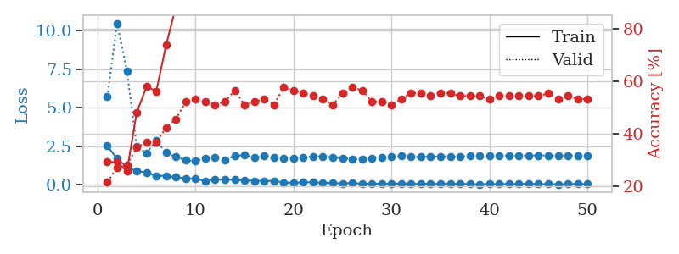
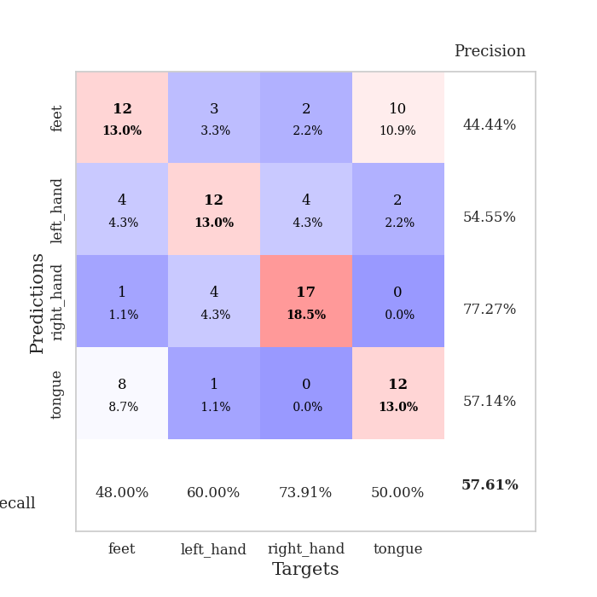
train_loss | valid_loss | train_accuracy | valid_accuracy | dur | train_misclass | valid_misclass
2.5147351503 | 5.7052134846 | 0.29347826087 | 0.21739130435 | 0.037670373917 | 29.347826087 | 21.739130435
1.6945236206 | 10.478927032 | 0.29347826087 | 0.27173913043 | 0.035064220428 | 29.347826087 | 27.173913043
1.132839942 | 7.3990997853 | 0.25815217391 | 0.28260869565 | 0.035217523575 | 25.815217391 | 28.260869565
0.87527641058 | 2.4740875182 | 0.48097826087 | 0.34782608696 | 0.035031318665 | 48.097826087 | 34.782608696
0.79652799368 | 2.0658474746 | 0.57880434783 | 0.36956521739 | 0.035102844238 | 57.880434783 | 36.956521739
0.56883969903 | 2.8571595938 | 0.5625 | 0.36956521739 | 0.035940647125 | 56.25 | 36.956521739
0.57876062393 | 2.0885590989 | 0.73641304348 | 0.42391304348 | 0.034918785095 | 73.641304348 | 42.391304348
0.48597069383 | 1.808528527 | 0.88315217391 | 0.45652173913 | 0.036204814911 | 88.315217391 | 45.652173913
0.40954061747 | 1.5965415395 | 0.92663043478 | 0.52173913043 | 0.036440849304 | 92.663043478 | 52.173913043
0.37895488739 | 1.5268433716 | 0.9375 | 0.53260869565 | 0.036136627197 | 93.75 | 53.260869565
0.24493425488 | 1.717461954 | 0.96467391304 | 0.52173913043 | 0.035867452621 | 96.467391304 | 52.173913043
0.34270355105 | 1.7477904351 | 0.96739130435 | 0.51086956522 | 0.035118579865 | 96.739130435 | 51.086956522
0.31933887303 | 1.5911627541 | 0.9402173913 | 0.52173913043 | 0.034922599792 | 94.02173913 | 52.173913043
0.32366958857 | 1.8795562464 | 0.95652173913 | 0.5652173913 | 0.035458564758 | 95.652173913 | 56.52173913
0.27175261378 | 1.9195815014 | 0.96195652174 | 0.51086956522 | 0.035867929459 | 96.195652174 | 51.086956522
0.25574224591 | 1.756329013 | 0.96195652174 | 0.52173913043 | 0.034835100174 | 96.195652174 | 52.173913043
0.23083542138 | 1.8511101007 | 0.98913043478 | 0.53260869565 | 0.036382913589 | 98.913043478 | 53.260869565
0.25247937441 | 1.7755402897 | 0.99456521739 | 0.51086956522 | 0.034619808197 | 99.456521739 | 51.086956522
0.14175349399 | 1.6978884884 | 0.98641304348 | 0.57608695652 | 0.034794807434 | 98.641304348 | 57.608695652
0.12721269578 | 1.719219695 | 0.98097826087 | 0.5652173913 | 0.035804033279 | 98.097826087 | 56.52173913
0.15061022341 | 1.7690454877 | 0.99184782609 | 0.55434782609 | 0.035437107086 | 99.184782609 | 55.434782609
0.16377224326 | 1.8404845518 | 0.99456521739 | 0.54347826087 | 0.034527540207 | 99.456521739 | 54.347826087
0.11559324041 | 1.8370769646 | 0.99456521739 | 0.53260869565 | 0.035173654556 | 99.456521739 | 53.260869565
0.11303681694 | 1.7631139496 | 0.9972826087 | 0.51086956522 | 0.040041208267 | 99.72826087 | 51.086956522
0.080927157402 | 1.7370616975 | 1 | 0.55434782609 | 0.034572124481 | 100 | 55.434782609
0.11746977121 | 1.655957152 | 1 | 0.57608695652 | 0.035731554031 | 100 | 57.608695652
0.061362398788 | 1.6403264196 | 1 | 0.5652173913 | 0.035538434982 | 100 | 56.52173913
0.066799202561 | 1.7337625545 | 1 | 0.52173913043 | 0.033541202545 | 100 | 52.173913043
0.065295158699 | 1.7403178785 | 1 | 0.52173913043 | 0.034545660019 | 100 | 52.173913043
0.065268284082 | 1.812784309 | 1 | 0.51086956522 | 0.03348493576 | 100 | 51.086956522
0.069314563647 | 1.8500970447 | 1 | 0.53260869565 | 0.033103704453 | 100 | 53.260869565
0.04554310292 | 1.7993323647 | 1 | 0.55434782609 | 0.033045053482 | 100 | 55.434782609
0.061545423418 | 1.7988792762 | 1 | 0.55434782609 | 0.033143520355 | 100 | 55.434782609
0.055689247698 | 1.829191099 | 1 | 0.54347826087 | 0.035660266876 | 100 | 54.347826087
0.045613824576 | 1.8299101125 | 1 | 0.55434782609 | 0.035816669464 | 100 | 55.434782609
0.04819977209 | 1.8233604017 | 1 | 0.55434782609 | 0.033220291138 | 100 | 55.434782609
0.057534722984 | 1.8332242914 | 1 | 0.54347826087 | 0.033167362213 | 100 | 54.347826087
0.036457002908 | 1.8604238292 | 1 | 0.54347826087 | 0.033151388168 | 100 | 54.347826087
0.022790528834 | 1.8772476341 | 1 | 0.54347826087 | 0.03321647644 | 100 | 54.347826087
0.039245653152 | 1.8820559046 | 1 | 0.53260869565 | 0.033670425415 | 100 | 53.260869565
0.046395206451 | 1.881327059 | 1 | 0.54347826087 | 0.033416986465 | 100 | 54.347826087
0.044207782671 | 1.8901170907 | 1 | 0.54347826087 | 0.033471107483 | 100 | 54.347826087
0.044347222522 | 1.8906221442 | 1 | 0.54347826087 | 0.034103870392 | 100 | 54.347826087
0.066009943932 | 1.8950568852 | 1 | 0.54347826087 | 0.03339600563 | 100 | 54.347826087
0.04204627499 | 1.8999675253 | 1 | 0.54347826087 | 0.033346414566 | 100 | 54.347826087
0.042040438578 | 1.8935395116 | 1 | 0.55434782609 | 0.033493518829 | 100 | 55.434782609
0.026561228186 | 1.887030135 | 1 | 0.53260869565 | 0.033399343491 | 100 | 53.260869565
0.038308965415 | 1.8881983031 | 1 | 0.54347826087 | 0.033409357071 | 100 | 54.347826087
0.052831625193 | 1.8824360215 | 1 | 0.53260869565 | 0.033357858658 | 100 | 53.260869565
0.036968750879 | 1.8778350405 | 1 | 0.53260869565 | 0.034783840179 | 100 | 53.260869565

Best Val accuracy is 0.5760869565217391 and Best test accuracy is 0.5431034482758621

Sheet5
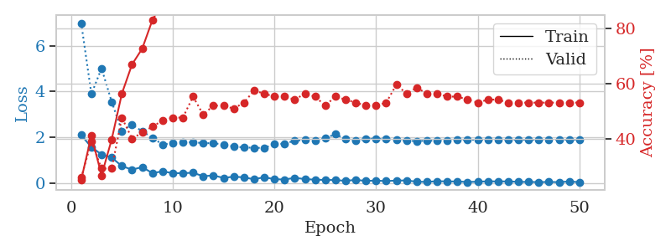
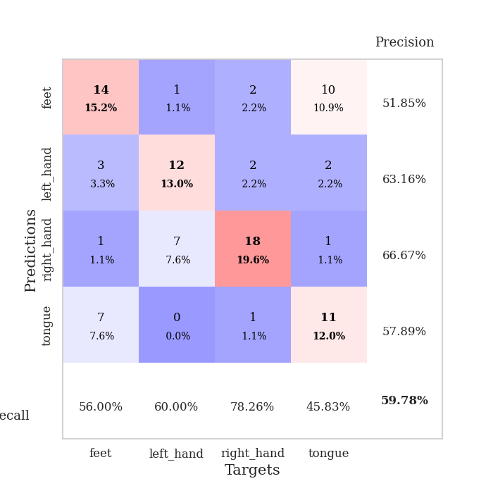
train_loss | valid_loss | train_accuracy | valid_accuracy | dur | train_misclass | valid_misclass
2.0921968937 | 6.9950492486 | 0.2527173913 | 0.26086956522 | 0.034681797028 | 25.27173913 | 26.086956522
1.564378047 | 3.8870723559 | 0.41304347826 | 0.39130434783 | 0.033950567245 | 41.304347826 | 39.130434783
1.2459233403 | 5.0105824678 | 0.26902173913 | 0.29347826087 | 0.034408330917 | 26.902173913 | 29.347826087
1.1066728592 | 3.5473166963 | 0.39945652174 | 0.29347826087 | 0.033503055573 | 39.945652174 | 29.347826087
0.73674322367 | 2.271790406 | 0.5652173913 | 0.47826086957 | 0.033532619476 | 56.52173913 | 47.826086957
0.58089849949 | 2.5574426858 | 0.67119565217 | 0.40217391304 | 0.03370141983 | 67.119565217 | 40.217391304
0.69197816849 | 2.2554324243 | 0.72826086957 | 0.42391304348 | 0.033456087112 | 72.826086957 | 42.391304348
0.42889313102 | 1.9782343999 | 0.83152173913 | 0.44565217391 | 0.033861875534 | 83.152173913 | 44.565217391
0.50687007308 | 1.6777430125 | 0.89673913043 | 0.46739130435 | 0.034477472305 | 89.673913043 | 46.739130435
0.42665178776 | 1.7487257564 | 0.94836956522 | 0.47826086957 | 0.033844470978 | 94.836956522 | 47.826086957
0.42672289014 | 1.764661053 | 0.90489130435 | 0.47826086957 | 0.033880472183 | 90.489130435 | 47.826086957
0.44457069039 | 1.7808825089 | 0.94293478261 | 0.55434782609 | 0.034299135208 | 94.293478261 | 55.434782609
0.29336991608 | 1.7388216879 | 0.95923913043 | 0.48913043478 | 0.034381628036 | 95.923913043 | 48.913043478
0.32793896198 | 1.7374683878 | 0.97826086957 | 0.52173913043 | 0.033667802811 | 97.826086957 | 52.173913043
0.2181954056 | 1.679742103 | 0.98641304348 | 0.52173913043 | 0.034026384354 | 98.641304348 | 52.173913043
0.27478228211 | 1.5918012287 | 0.97282608696 | 0.51086956522 | 0.033658266068 | 97.282608696 | 51.086956522
0.24291219711 | 1.5537237344 | 0.98369565217 | 0.53260869565 | 0.034181833267 | 98.369565217 | 53.260869565
0.16063463166 | 1.5349736473 | 0.98641304348 | 0.57608695652 | 0.033792495728 | 98.641304348 | 57.608695652
0.24967379719 | 1.5303129891 | 0.98913043478 | 0.5652173913 | 0.034618377686 | 98.913043478 | 56.52173913
0.16381074786 | 1.6981846872 | 0.98369565217 | 0.55434782609 | 0.033560752869 | 98.369565217 | 55.434782609
0.14814981744 | 1.7213506077 | 0.99456521739 | 0.55434782609 | 0.034243822098 | 99.456521739 | 55.434782609
0.22399191111 | 1.841870111 | 0.99456521739 | 0.54347826087 | 0.033805608749 | 99.456521739 | 54.347826087
0.16835773587 | 1.8872945309 | 0.9972826087 | 0.5652173913 | 0.034051418304 | 99.72826087 | 56.52173913
0.14108828157 | 1.8615722993 | 0.9972826087 | 0.55434782609 | 0.034022569656 | 99.72826087 | 55.434782609
0.13237553835 | 1.9649940522 | 0.98369565217 | 0.52173913043 | 0.033987760544 | 98.369565217 | 52.173913043
0.12448251843 | 2.1289495437 | 0.97010869565 | 0.55434782609 | 0.034030437469 | 97.010869565 | 55.434782609
0.092483703792 | 1.9202595068 | 0.9972826087 | 0.54347826087 | 0.035868167877 | 99.72826087 | 54.347826087
0.13356357887 | 1.8531693531 | 1 | 0.53260869565 | 0.03389954567 | 100 | 53.260869565
0.089307269454 | 1.9297373347 | 0.9972826087 | 0.52173913043 | 0.033825397491 | 99.72826087 | 52.173913043
0.10340570509 | 1.92835502 | 0.99456521739 | 0.52173913043 | 0.033752202988 | 99.456521739 | 52.173913043
0.079089012742 | 1.9104326238 | 1 | 0.53260869565 | 0.033923625946 | 100 | 53.260869565
0.1054598406 | 1.8877926236 | 1 | 0.59782608696 | 0.033836364746 | 100 | 59.782608696
0.10672525428 | 1.8409090923 | 1 | 0.5652173913 | 0.034413099289 | 100 | 56.52173913
0.053427977487 | 1.8340814088 | 1 | 0.58695652174 | 0.033998966217 | 100 | 58.695652174
0.045063755661 | 1.8456474517 | 1 | 0.5652173913 | 0.033766269684 | 100 | 56.52173913
0.075786164589 | 1.8487022415 | 1 | 0.5652173913 | 0.034081220627 | 100 | 56.52173913
0.065319672972 | 1.8616335781 | 1 | 0.55434782609 | 0.033720493317 | 100 | 55.434782609
0.063146889955 | 1.8829725074 | 1 | 0.55434782609 | 0.033873796463 | 100 | 55.434782609
0.040925359353 | 1.8842720001 | 1 | 0.54347826087 | 0.033841133118 | 100 | 54.347826087
0.052869512141 | 1.8875950419 | 1 | 0.53260869565 | 0.034081935883 | 100 | 53.260869565
0.070523480326 | 1.8936620951 | 1 | 0.54347826087 | 0.034151792526 | 100 | 54.347826087
0.064276905358 | 1.8845958451 | 1 | 0.54347826087 | 0.033992767334 | 100 | 54.347826087
0.067386175692 | 1.8805573764 | 1 | 0.53260869565 | 0.033815860748 | 100 | 53.260869565
0.046631760895 | 1.8841923864 | 1 | 0.53260869565 | 0.033959627151 | 100 | 53.260869565
0.042866680026 | 1.8847739956 | 1 | 0.53260869565 | 0.033931732178 | 100 | 53.260869565
0.035831761174 | 1.8872749209 | 1 | 0.53260869565 | 0.034073829651 | 100 | 53.260869565
0.041597682051 | 1.8888673316 | 1 | 0.53260869565 | 0.034070730209 | 100 | 53.260869565
0.034714876674 | 1.8887899388 | 1 | 0.53260869565 | 0.033984422684 | 100 | 53.260869565
0.062519852445 | 1.8895793946 | 1 | 0.53260869565 | 0.034039735794 | 100 | 53.260869565
0.032348311692 | 1.8899577519 | 1 | 0.53260869565 | 0.033867359161 | 100 | 53.260869565

Best Val accuracy is 0.5978260869565217 and Best test accuracy is 0.5689655172413793

Sheet6
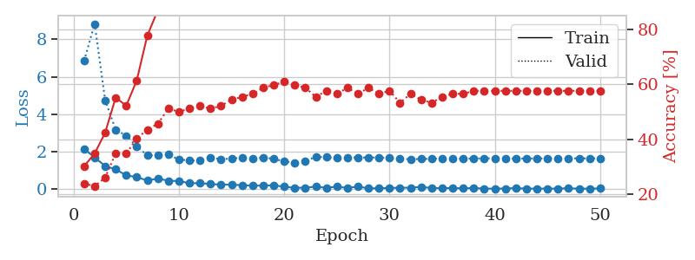
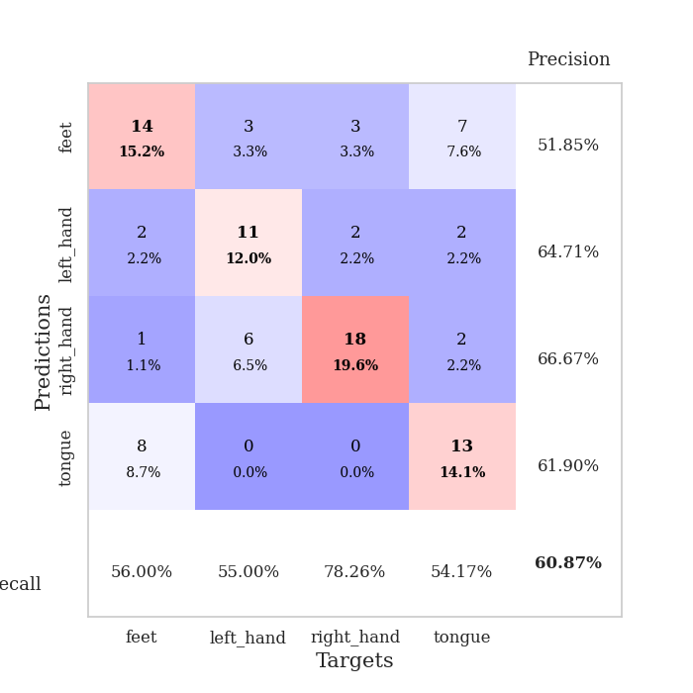
train_loss | valid_loss | train_accuracy | valid_accuracy | dur | train_misclass | valid_misclass
2.1582363605 | 6.8513105849 | 0.30163043478 | 0.23913043478 | 0.034666538239 | 30.163043478 | 23.913043478
1.6993654251 | 8.8299179492 | 0.34782608696 | 0.22826086957 | 0.033348560333 | 34.782608696 | 22.826086957
1.2434591293 | 4.7561542884 | 0.42391304348 | 0.26086956522 | 0.031802654266 | 42.391304348 | 26.086956522
1.0652177334 | 3.1773704342 | 0.55163043478 | 0.34782608696 | 0.033975839615 | 55.163043478 | 34.782608696
0.74635668993 | 2.863618094 | 0.52173913043 | 0.34782608696 | 0.031991243362 | 52.173913043 | 34.782608696
0.65537006259 | 2.292068668 | 0.61413043478 | 0.40217391304 | 0.031847238541 | 61.413043478 | 40.217391304
0.4702866137 | 1.8121925852 | 0.77717391304 | 0.4347826087 | 0.032337665558 | 77.717391304 | 43.47826087
0.57880135775 | 1.8267343718 | 0.86956521739 | 0.45652173913 | 0.034052371979 | 86.956521739 | 45.652173913
0.45672438741 | 1.85948191 | 0.8722826087 | 0.51086956522 | 0.033314466476 | 87.22826087 | 51.086956522
0.44285378456 | 1.5916354708 | 0.89945652174 | 0.5 | 0.032309532166 | 89.945652174 | 50
0.32726678252 | 1.5399885592 | 0.90489130435 | 0.51086956522 | 0.032431125641 | 90.489130435 | 51.086956522
0.33033300042 | 1.5311900792 | 0.95923913043 | 0.52173913043 | 0.032096385956 | 95.923913043 | 52.173913043
0.28743448257 | 1.6967857454 | 0.97010869565 | 0.51086956522 | 0.032829523087 | 97.010869565 | 51.086956522
0.245176512 | 1.6032171379 | 0.97826086957 | 0.52173913043 | 0.032039165497 | 97.826086957 | 52.173913043
0.26159917712 | 1.6492714623 | 0.97826086957 | 0.54347826087 | 0.032016515732 | 97.826086957 | 54.347826087
0.2121529609 | 1.692398232 | 0.97282608696 | 0.55434782609 | 0.032268047333 | 97.282608696 | 55.434782609
0.20324793756 | 1.6485149601 | 0.98641304348 | 0.5652173913 | 0.032711029053 | 98.641304348 | 56.52173913
0.19462348074 | 1.7016446953 | 0.98097826087 | 0.58695652174 | 0.032303333282 | 98.097826087 | 58.695652174
0.21606001854 | 1.62466426 | 0.99184782609 | 0.59782608696 | 0.034074544907 | 99.184782609 | 59.782608696
0.14059082493 | 1.4937464724 | 0.99184782609 | 0.60869565217 | 0.033282756805 | 99.184782609 | 60.869565217
0.081658153981 | 1.4191778846 | 0.9972826087 | 0.59782608696 | 0.033841609955 | 99.72826087 | 59.782608696
0.089533808827 | 1.506294717 | 0.9972826087 | 0.58695652174 | 0.032448530197 | 99.72826087 | 58.695652174
0.14317742959 | 1.7365958172 | 1 | 0.55434782609 | 0.032262325287 | 100 | 55.434782609
0.083785250783 | 1.7115615036 | 0.9972826087 | 0.57608695652 | 0.032406806946 | 99.72826087 | 57.608695652
0.14111708552 | 1.6831489076 | 0.9972826087 | 0.5652173913 | 0.032218933105 | 99.72826087 | 56.52173913
0.077598649263 | 1.6877708383 | 1 | 0.58695652174 | 0.032120466232 | 100 | 58.695652174
0.14169824719 | 1.703972972 | 1 | 0.5652173913 | 0.032283782959 | 100 | 56.52173913
0.057107627392 | 1.6928312882 | 1 | 0.58695652174 | 0.03195476532 | 100 | 58.695652174
0.054885835573 | 1.7046484895 | 0.9972826087 | 0.5652173913 | 0.034114837646 | 99.72826087 | 56.52173913
0.074238532409 | 1.6670379587 | 1 | 0.57608695652 | 0.032026052475 | 100 | 57.608695652
0.087484952807 | 1.6303276912 | 1 | 0.53260869565 | 0.031954050064 | 100 | 53.260869565
0.087948300689 | 1.6056439514 | 1 | 0.5652173913 | 0.031980752945 | 100 | 56.52173913
0.1303641215 | 1.6210470459 | 1 | 0.54347826087 | 0.031895875931 | 100 | 54.347826087
0.070585288852 | 1.6274122155 | 1 | 0.53260869565 | 0.031905412674 | 100 | 53.260869565
0.067048608139 | 1.6445429999 | 1 | 0.55434782609 | 0.031976222992 | 100 | 55.434782609
0.070091187581 | 1.6253298884 | 1 | 0.5652173913 | 0.031907320023 | 100 | 56.52173913
0.053068036586 | 1.6367779348 | 1 | 0.5652173913 | 0.031908512115 | 100 | 56.52173913
0.073512927443 | 1.6490053198 | 1 | 0.57608695652 | 0.031878948212 | 100 | 57.608695652
0.036343142018 | 1.6511289711 | 1 | 0.57608695652 | 0.031955003738 | 100 | 57.608695652
0.040082934126 | 1.6528816119 | 1 | 0.57608695652 | 0.031838178635 | 100 | 57.608695652
0.043310305476 | 1.6495591765 | 1 | 0.57608695652 | 0.031903505325 | 100 | 57.608695652
0.070525798202 | 1.6435655355 | 1 | 0.57608695652 | 0.031954526901 | 100 | 57.608695652
0.035164808668 | 1.6434500425 | 1 | 0.57608695652 | 0.031927108765 | 100 | 57.608695652
0.04286625199 | 1.6493209808 | 1 | 0.57608695652 | 0.031958580017 | 100 | 57.608695652
0.03955154568 | 1.652314098 | 1 | 0.57608695652 | 0.031968593597 | 100 | 57.608695652
0.039701341838 | 1.6533771961 | 1 | 0.57608695652 | 0.03192782402 | 100 | 57.608695652
0.061496446282 | 1.6524548375 | 1 | 0.57608695652 | 0.031826734543 | 100 | 57.608695652
0.03355170209 | 1.6537396908 | 1 | 0.57608695652 | 0.031870603561 | 100 | 57.608695652
0.039964617603 | 1.6544656391 | 1 | 0.57608695652 | 0.031915664673 | 100 | 57.608695652
0.047617696598 | 1.6556065653 | 1 | 0.57608695652 | 0.031960248947 | 100 | 57.608695652

Best Val accuracy is 0.6086956521739131 and Best test accuracy is 0.5689655172413793

Sheet7
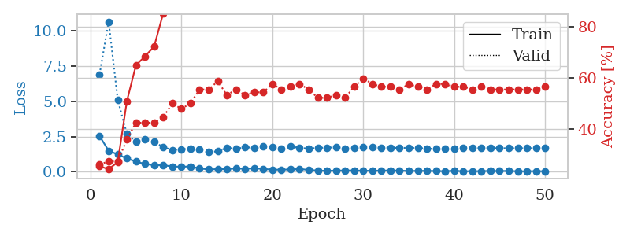
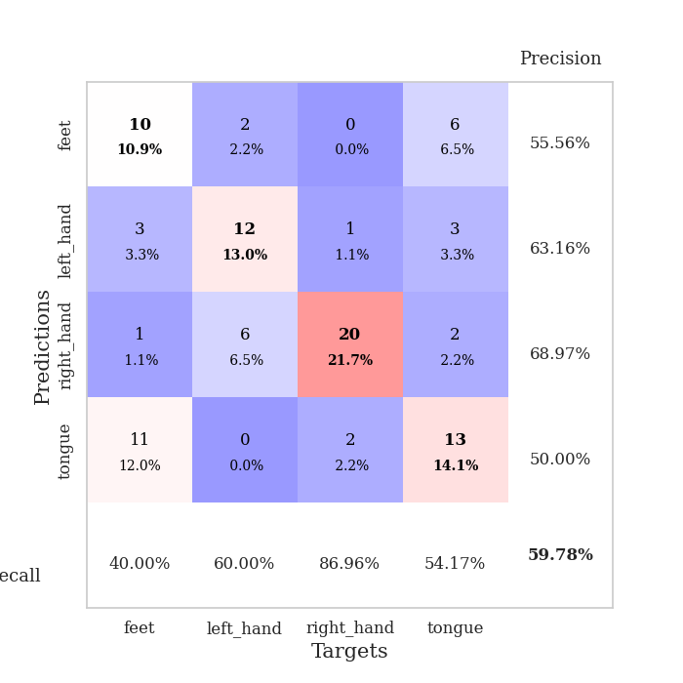
train_loss | valid_loss | train_accuracy | valid_accuracy | dur | train_misclass | valid_misclass
2.5309164286 | 6.9161494504 | 0.2527173913 | 0.26086956522 | 0.034459114075 | 25.27173913 | 26.086956522
1.4921573162 | 10.660177272 | 0.24184782609 | 0.27173913043 | 0.034854412079 | 24.184782609 | 27.173913043
1.2247541189 | 5.1092594603 | 0.26902173913 | 0.27173913043 | 0.033860206604 | 26.902173913 | 27.173913043
0.94365235567 | 2.698829682 | 0.50815217391 | 0.35869565217 | 0.033425807953 | 50.815217391 | 35.869565217
0.72236866951 | 2.1250780251 | 0.64945652174 | 0.42391304348 | 0.033687829971 | 64.945652174 | 42.391304348
0.54646391869 | 2.3236023447 | 0.6847826087 | 0.42391304348 | 0.033831596375 | 68.47826087 | 42.391304348
0.46286199093 | 2.12368338 | 0.72282608696 | 0.42391304348 | 0.033513069153 | 72.282608696 | 42.391304348
0.46163056493 | 1.7490312068 | 0.85326086957 | 0.44565217391 | 0.033705949783 | 85.326086957 | 44.565217391
0.36771252155 | 1.5405162262 | 0.88586956522 | 0.5 | 0.034134626389 | 88.586956522 | 50
0.35681216121 | 1.6046413442 | 0.93206521739 | 0.47826086957 | 0.033964633942 | 93.206521739 | 47.826086957
0.36906865835 | 1.6218527607 | 0.97826086957 | 0.5 | 0.033528804779 | 97.826086957 | 50
0.23133293986 | 1.5535346062 | 0.96739130435 | 0.55434782609 | 0.03294301033 | 96.739130435 | 55.434782609
0.15916091502 | 1.3921258501 | 0.99184782609 | 0.55434782609 | 0.033916711807 | 99.184782609 | 55.434782609
0.183960253 | 1.4502856628 | 0.98641304348 | 0.58695652174 | 0.03378534317 | 98.641304348 | 58.695652174
0.18639870286 | 1.6953328019 | 0.95923913043 | 0.53260869565 | 0.034003734589 | 95.923913043 | 53.260869565
0.2345706895 | 1.633317455 | 0.99184782609 | 0.55434782609 | 0.033399343491 | 99.184782609 | 55.434782609
0.20920717567 | 1.7302885107 | 0.98641304348 | 0.53260869565 | 0.033210039139 | 98.641304348 | 53.260869565
0.2470561415 | 1.7142673109 | 0.99184782609 | 0.54347826087 | 0.033132553101 | 99.184782609 | 54.347826087
0.19977739006 | 1.8119919456 | 0.99184782609 | 0.54347826087 | 0.033339500427 | 99.184782609 | 54.347826087
0.14059402645 | 1.7202795588 | 0.98913043478 | 0.57608695652 | 0.032762765884 | 98.913043478 | 57.608695652
0.14834756702 | 1.6557827981 | 0.9972826087 | 0.55434782609 | 0.033221006393 | 99.72826087 | 55.434782609
0.15568588749 | 1.7978901759 | 0.95923913043 | 0.5652173913 | 0.033694505692 | 95.923913043 | 56.52173913
0.19539574683 | 1.6996386829 | 0.9972826087 | 0.57608695652 | 0.032814979553 | 99.72826087 | 57.608695652
0.12373169661 | 1.642943517 | 0.9972826087 | 0.55434782609 | 0.033222675323 | 99.72826087 | 55.434782609
0.085896582156 | 1.6936512045 | 0.99456521739 | 0.52173913043 | 0.03283905983 | 99.456521739 | 52.173913043
0.056655594707 | 1.7160385329 | 0.9972826087 | 0.52173913043 | 0.033074140549 | 99.72826087 | 52.173913043
0.082924321294 | 1.7197833165 | 1 | 0.53260869565 | 0.033187389374 | 100 | 53.260869565
0.080857242644 | 1.6545692786 | 1 | 0.52173913043 | 0.03346991539 | 100 | 52.173913043
0.09071136117 | 1.6730494033 | 1 | 0.5652173913 | 0.033689975739 | 100 | 56.52173913
0.068509019911 | 1.7262330263 | 1 | 0.59782608696 | 0.033149242401 | 100 | 59.782608696
0.065308568999 | 1.7233378473 | 1 | 0.57608695652 | 0.034012556076 | 100 | 57.608695652
0.079554081708 | 1.6956812351 | 1 | 0.5652173913 | 0.033430576324 | 100 | 56.52173913
0.081334750354 | 1.6955876921 | 1 | 0.5652173913 | 0.03325343132 | 100 | 56.52173913
0.075175570697 | 1.6926017119 | 1 | 0.55434782609 | 0.033472061157 | 100 | 55.434782609
0.053088254482 | 1.6957218025 | 1 | 0.57608695652 | 0.033363819122 | 100 | 57.608695652
0.057496040314 | 1.6878553992 | 1 | 0.5652173913 | 0.033636331558 | 100 | 56.52173913
0.060459891707 | 1.6435925494 | 1 | 0.55434782609 | 0.033539056778 | 100 | 55.434782609
0.045799958706 | 1.6120575355 | 1 | 0.57608695652 | 0.033498764038 | 100 | 57.608695652
0.036862671748 | 1.6083797372 | 1 | 0.57608695652 | 0.033662080765 | 100 | 57.608695652
0.063792375475 | 1.6478991405 | 1 | 0.5652173913 | 0.033679008484 | 100 | 56.52173913
0.030163127743 | 1.6804828747 | 1 | 0.5652173913 | 0.033126831055 | 100 | 56.52173913
0.034798898548 | 1.6804105821 | 1 | 0.55434782609 | 0.033570766449 | 100 | 55.434782609
0.041476577148 | 1.6745379023 | 1 | 0.5652173913 | 0.033589839935 | 100 | 56.52173913
0.053874107823 | 1.6737196238 | 1 | 0.55434782609 | 0.033339738846 | 100 | 55.434782609
0.043911763281 | 1.6698546202 | 1 | 0.55434782609 | 0.032716274261 | 100 | 55.434782609
0.055868779123 | 1.6701295117 | 1 | 0.55434782609 | 0.032804727554 | 100 | 55.434782609
0.029489659518 | 1.6671274019 | 1 | 0.55434782609 | 0.033249616623 | 100 | 55.434782609
0.03118494004 | 1.6698669506 | 1 | 0.55434782609 | 0.033270120621 | 100 | 55.434782609
0.041221121326 | 1.6702784144 | 1 | 0.55434782609 | 0.032981395721 | 100 | 55.434782609
0.029575995728 | 1.6732899935 | 1 | 0.5652173913 | 0.032662391663 | 100 | 56.52173913

Best Val accuracy is 0.5978260869565217 and Best test accuracy is 0.6206896551724138

Sheet8
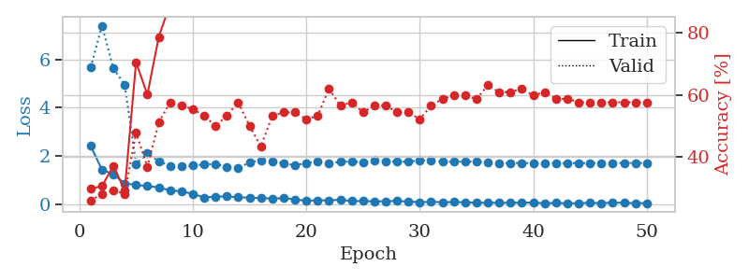
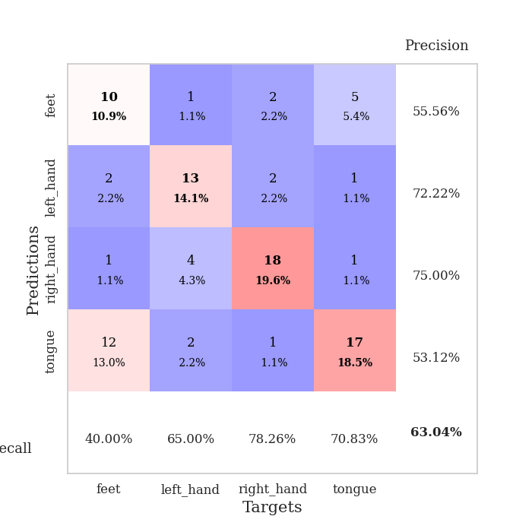
train_loss | valid_loss | train_accuracy | valid_accuracy | dur | train_misclass | valid_misclass
2.4167936325 | 5.6583567288 | 0.29891304348 | 0.26086956522 | 0.035236597061 | 29.891304348 | 26.086956522
1.4302763939 | 7.3896323702 | 0.30706521739 | 0.28260869565 | 0.034729003906 | 30.706521739 | 28.260869565
1.2485698819 | 5.6144678489 | 0.3722826087 | 0.29347826087 | 0.034817457199 | 37.22826087 | 29.347826087
0.86109952927 | 4.9559343172 | 0.29347826087 | 0.28260869565 | 0.034327507019 | 29.347826087 | 28.260869565
0.81172825098 | 1.6765727945 | 0.70380434783 | 0.47826086957 | 0.03359079361 | 70.380434783 | 47.826086957
0.75234845877 | 2.1148737514 | 0.60054347826 | 0.36956521739 | 0.035050392151 | 60.054347826 | 36.956521739
0.70300414562 | 1.7843342968 | 0.78532608696 | 0.51086956522 | 0.034909248352 | 78.532608696 | 51.086956522
0.57642362118 | 1.5964334452 | 0.89130434783 | 0.57608695652 | 0.035256147385 | 89.130434783 | 57.608695652
0.54270983338 | 1.5651926787 | 0.88315217391 | 0.5652173913 | 0.034789085388 | 88.315217391 | 56.52173913
0.43168834448 | 1.6002526853 | 0.9375 | 0.55434782609 | 0.034065485001 | 93.75 | 55.434782609
0.28641951382 | 1.6501026257 | 0.95108695652 | 0.53260869565 | 0.034085035324 | 95.108695652 | 53.260869565
0.3197699517 | 1.6666261787 | 0.94836956522 | 0.5 | 0.033660173416 | 94.836956522 | 50
0.33025809824 | 1.5541729823 | 0.96739130435 | 0.53260869565 | 0.034798145294 | 96.739130435 | 53.260869565
0.29026585221 | 1.4973708288 | 0.96195652174 | 0.57608695652 | 0.033521413803 | 96.195652174 | 57.608695652
0.27773802876 | 1.7412924041 | 0.91576086957 | 0.5 | 0.03314948082 | 91.576086957 | 50
0.25971386433 | 1.8180436518 | 0.92119565217 | 0.4347826087 | 0.033261060715 | 92.119565217 | 43.47826087
0.2412011683 | 1.7597768125 | 0.98913043478 | 0.53260869565 | 0.033544540405 | 98.913043478 | 53.260869565
0.25587489903 | 1.7026283015 | 0.99184782609 | 0.54347826087 | 0.034113645554 | 99.184782609 | 54.347826087
0.20731156021 | 1.6116677471 | 0.99184782609 | 0.54347826087 | 0.033216714859 | 99.184782609 | 54.347826087
0.14417958856 | 1.7136398554 | 0.99184782609 | 0.52173913043 | 0.033346176147 | 99.184782609 | 52.173913043
0.17059468329 | 1.7631443791 | 0.98097826087 | 0.53260869565 | 0.033393621445 | 98.097826087 | 53.260869565
0.16309518069 | 1.6917775662 | 0.99456521739 | 0.61956521739 | 0.034780263901 | 99.456521739 | 61.956521739
0.19208267331 | 1.7670121012 | 0.9972826087 | 0.5652173913 | 0.034602165222 | 99.72826087 | 56.52173913
0.13370157331 | 1.7655442279 | 0.9972826087 | 0.57608695652 | 0.033776521683 | 99.72826087 | 57.608695652
0.13379708827 | 1.7512408495 | 0.99184782609 | 0.54347826087 | 0.034565210342 | 99.184782609 | 54.347826087
0.12577160224 | 1.8024888894 | 1 | 0.5652173913 | 0.034361600876 | 100 | 56.52173913
0.12681171149 | 1.7831386976 | 0.9972826087 | 0.5652173913 | 0.034598350525 | 99.72826087 | 56.52173913
0.14136099145 | 1.7614030631 | 1 | 0.54347826087 | 0.034074068069 | 100 | 54.347826087
0.111371319 | 1.7713999385 | 1 | 0.54347826087 | 0.033560037613 | 100 | 54.347826087
0.090417064726 | 1.8188382905 | 1 | 0.52173913043 | 0.034812688828 | 100 | 52.173913043
0.10485794246 | 1.8222994545 | 1 | 0.5652173913 | 0.034489870071 | 100 | 56.52173913
0.08591420576 | 1.7727928213 | 1 | 0.58695652174 | 0.032984972 | 100 | 58.695652174
0.099835817516 | 1.7579078545 | 1 | 0.59782608696 | 0.034691333771 | 100 | 59.782608696
0.081795029342 | 1.7689763152 | 1 | 0.59782608696 | 0.033628940582 | 100 | 59.782608696
0.070904724672 | 1.772305302 | 1 | 0.58695652174 | 0.033077955246 | 100 | 58.695652174
0.064735112712 | 1.7222029515 | 1 | 0.63043478261 | 0.033435106277 | 100 | 63.043478261
0.065717614442 | 1.7073718439 | 1 | 0.60869565217 | 0.034887313843 | 100 | 60.869565217
0.062521257997 | 1.7045276709 | 1 | 0.60869565217 | 0.033680200577 | 100 | 60.869565217
0.075550183654 | 1.7131753227 | 1 | 0.61956521739 | 0.033297538757 | 100 | 61.956521739
0.068676329404 | 1.7018207001 | 1 | 0.59782608696 | 0.03337430954 | 100 | 59.782608696
0.047193456069 | 1.6954058305 | 1 | 0.60869565217 | 0.033432245255 | 100 | 60.869565217
0.055660875887 | 1.7011916663 | 1 | 0.58695652174 | 0.033561706543 | 100 | 58.695652174
0.047213472798 | 1.7037163144 | 1 | 0.58695652174 | 0.033802509308 | 100 | 58.695652174
0.046424731612 | 1.7078239244 | 1 | 0.57608695652 | 0.041828393936 | 100 | 57.608695652
0.062297601998 | 1.7077563768 | 1 | 0.57608695652 | 0.035771131516 | 100 | 57.608695652
0.048256569728 | 1.7114643429 | 1 | 0.57608695652 | 0.041257143021 | 100 | 57.608695652
0.073872839659 | 1.7125396262 | 1 | 0.57608695652 | 0.040545940399 | 100 | 57.608695652
0.063766907901 | 1.7113464786 | 1 | 0.57608695652 | 0.0336830616 | 100 | 57.608695652
0.047449593619 | 1.712281126 | 1 | 0.57608695652 | 0.03479886055 | 100 | 57.608695652
0.051524616033 | 1.7123544346 | 1 | 0.57608695652 | 0.033266544342 | 100 | 57.608695652

Best Val accuracy is 0.6304347826086957 and Best test accuracy is 0.5775862068965517

Sheet9
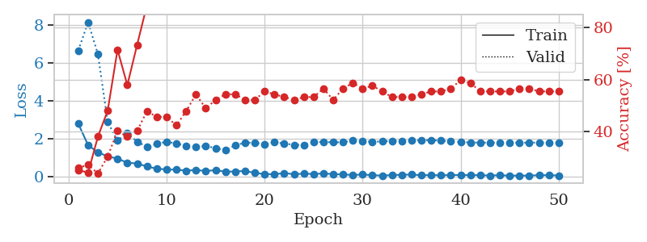
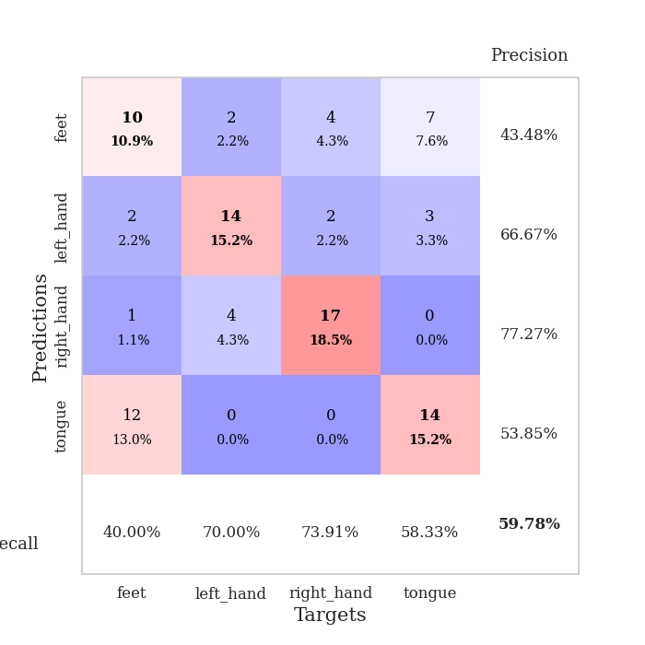
train_loss | valid_loss | train_accuracy | valid_accuracy | dur | train_misclass | valid_misclass
2.7779332161 | 6.6417743641 | 0.2527173913 | 0.26086956522 | 0.034685850143 | 25.27173913 | 26.086956522
1.6458602905 | 8.1296054591 | 0.24184782609 | 0.27173913043 | 0.033463716507 | 24.184782609 | 27.173913043
1.2763405561 | 6.4463193728 | 0.38043478261 | 0.23913043478 | 0.034511327744 | 38.043478261 | 23.913043478
1.0544919372 | 2.865609708 | 0.48097826087 | 0.30434782609 | 0.034178256989 | 48.097826087 | 30.434782609
0.94447653294 | 1.88922639 | 0.71467391304 | 0.40217391304 | 0.034793615341 | 71.467391304 | 40.217391304
0.72439380884 | 2.284526431 | 0.57880434783 | 0.38043478261 | 0.034977674484 | 57.880434783 | 38.043478261
0.68167542815 | 1.8324635703 | 0.73369565217 | 0.40217391304 | 0.035587072372 | 73.369565217 | 40.217391304
0.52853271365 | 1.5636874023 | 0.88586956522 | 0.47826086957 | 0.033548355103 | 88.586956522 | 47.826086957
0.41086531878 | 1.7175918507 | 0.89130434783 | 0.45652173913 | 0.034548282623 | 89.130434783 | 45.652173913
0.36851167679 | 1.8293763399 | 0.90760869565 | 0.45652173913 | 0.033697605133 | 90.760869565 | 45.652173913
0.35798055828 | 1.7414738665 | 0.88586956522 | 0.42391304348 | 0.033613443375 | 88.586956522 | 42.391304348
0.3083901614 | 1.6158634891 | 0.95380434783 | 0.47826086957 | 0.033768892288 | 95.380434783 | 47.826086957
0.34175074697 | 1.5472632051 | 0.96467391304 | 0.54347826087 | 0.033886909485 | 96.467391304 | 54.347826087
0.2894099772 | 1.604391974 | 0.96739130435 | 0.48913043478 | 0.036425828934 | 96.739130435 | 48.913043478
0.33293088675 | 1.4947514534 | 0.97826086957 | 0.52173913043 | 0.034570217133 | 97.826086957 | 52.173913043
0.25125624239 | 1.3904505528 | 0.97554347826 | 0.54347826087 | 0.033659696579 | 97.554347826 | 54.347826087
0.26321973205 | 1.6391387841 | 0.97282608696 | 0.54347826087 | 0.034562826157 | 97.282608696 | 54.347826087
0.29261899292 | 1.7807083804 | 0.98369565217 | 0.52173913043 | 0.036218881607 | 98.369565217 | 52.173913043
0.18845448196 | 1.7773020008 | 0.98097826087 | 0.52173913043 | 0.034379243851 | 98.097826087 | 52.173913043
0.12478780746 | 1.6951252844 | 1 | 0.55434782609 | 0.034398078918 | 100 | 55.434782609
0.11709050909 | 1.7976663216 | 0.9972826087 | 0.54347826087 | 0.034687042236 | 99.72826087 | 54.347826087
0.17993644774 | 1.7418839361 | 1 | 0.53260869565 | 0.034066438675 | 100 | 53.260869565
0.11876753792 | 1.6622725673 | 0.99456521739 | 0.52173913043 | 0.033868789673 | 99.456521739 | 52.173913043
0.15209887773 | 1.6659837598 | 1 | 0.53260869565 | 0.033824920654 | 100 | 53.260869565
0.12975336164 | 1.8233174448 | 0.9972826087 | 0.53260869565 | 0.033763170242 | 99.72826087 | 53.260869565
0.16187848449 | 1.8163179107 | 0.9972826087 | 0.5652173913 | 0.033771514893 | 99.72826087 | 56.52173913
0.12240701169 | 1.802513475 | 0.98913043478 | 0.52173913043 | 0.034772157669 | 98.913043478 | 52.173913043
0.10701517537 | 1.7973378119 | 1 | 0.5652173913 | 0.033749103546 | 100 | 56.52173913
0.078622639179 | 1.9065267262 | 0.9972826087 | 0.58695652174 | 0.033840894699 | 99.72826087 | 58.695652174
0.10069226846 | 1.8631586666 | 1 | 0.5652173913 | 0.034824609756 | 100 | 56.52173913
0.070646151155 | 1.8299029495 | 1 | 0.57608695652 | 0.034235477448 | 100 | 57.608695652
0.04489287585 | 1.8450169097 | 1 | 0.55434782609 | 0.03378367424 | 100 | 55.434782609
0.076047980785 | 1.874988473 | 1 | 0.53260869565 | 0.033703565598 | 100 | 53.260869565
0.088876175135 | 1.8814904482 | 1 | 0.53260869565 | 0.033687591553 | 100 | 53.260869565
0.098968360573 | 1.8910723717 | 1 | 0.53260869565 | 0.033753633499 | 100 | 53.260869565
0.065575012937 | 1.9056997714 | 1 | 0.54347826087 | 0.033759117126 | 100 | 54.347826087
0.07541231513 | 1.9133914605 | 1 | 0.55434782609 | 0.033753633499 | 100 | 55.434782609
0.056219565123 | 1.8889964974 | 1 | 0.55434782609 | 0.033716678619 | 100 | 55.434782609
0.075623979419 | 1.8520170398 | 1 | 0.5652173913 | 0.033682584763 | 100 | 56.52173913
0.07626259774 | 1.8129469778 | 1 | 0.59782608696 | 0.033755302429 | 100 | 59.782608696
0.068744652718 | 1.7910159671 | 1 | 0.58695652174 | 0.034696340561 | 100 | 58.695652174
0.070259252936 | 1.7850496821 | 1 | 0.55434782609 | 0.033710718155 | 100 | 55.434782609
0.049431159347 | 1.7840833094 | 1 | 0.55434782609 | 0.033690214157 | 100 | 55.434782609
0.069221186638 | 1.7820822778 | 1 | 0.55434782609 | 0.033743143082 | 100 | 55.434782609
0.043528712913 | 1.7819394599 | 1 | 0.55434782609 | 0.03374838829 | 100 | 55.434782609
0.048313179985 | 1.7831459149 | 1 | 0.5652173913 | 0.033710002899 | 100 | 56.52173913
0.044316846877 | 1.7842165335 | 1 | 0.5652173913 | 0.033892393112 | 100 | 56.52173913
0.069589098543 | 1.7837981919 | 1 | 0.55434782609 | 0.033738613129 | 100 | 55.434782609
0.066321436316 | 1.784287121 | 1 | 0.55434782609 | 0.033719778061 | 100 | 55.434782609
0.053145720437 | 1.7848354578 | 1 | 0.55434782609 | 0.033719778061 | 100 | 55.434782609

Best Val accuracy is 0.5978260869565217 and Best test accuracy is 0.5344827586206896

Sheet10
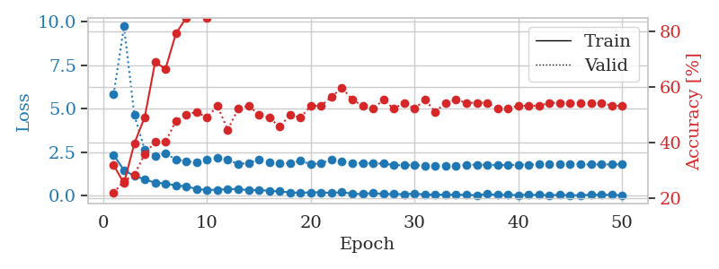
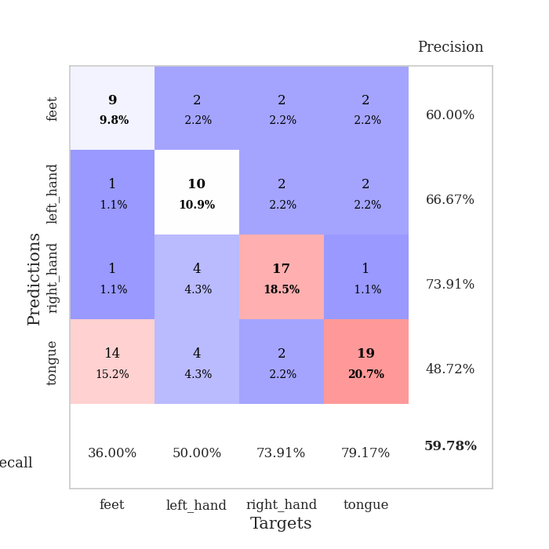
train_loss | valid_loss | train_accuracy | valid_accuracy | dur | train_misclass | valid_misclass
2.351874876 | 5.8268812014 | 0.31793478261 | 0.21739130435 | 0.035148382187 | 31.793478261 | 21.739130435
1.4718662739 | 9.7446888219 | 0.2527173913 | 0.26086956522 | 0.034137010574 | 25.27173913 | 26.086956522
1.1356363297 | 4.6396755343 | 0.39673913043 | 0.28260869565 | 0.034166812897 | 39.673913043 | 28.260869565
0.95491722822 | 2.6388245147 | 0.49184782609 | 0.35869565217 | 0.033982992172 | 49.184782609 | 35.869565217
0.74755179882 | 2.3070232454 | 0.6902173913 | 0.40217391304 | 0.032918214798 | 69.02173913 | 40.217391304
0.7157966733 | 2.4225801074 | 0.66576086957 | 0.40217391304 | 0.034453630447 | 66.576086957 | 40.217391304
0.59166285992 | 2.102088156 | 0.79347826087 | 0.47826086957 | 0.034049034119 | 79.347826087 | 47.826086957
0.54482707977 | 1.977709537 | 0.85054347826 | 0.5 | 0.033907413483 | 85.054347826 | 50
0.39604819417 | 1.9245795012 | 0.86956521739 | 0.51086956522 | 0.034013032913 | 86.956521739 | 51.086956522
0.33519381881 | 2.0885780583 | 0.85054347826 | 0.48913043478 | 0.034929275513 | 85.054347826 | 48.913043478
0.34909312129 | 2.1881187325 | 0.89673913043 | 0.53260869565 | 0.032083511353 | 89.673913043 | 53.260869565
0.3891894877 | 2.0788068771 | 0.91847826087 | 0.44565217391 | 0.035311460495 | 91.847826087 | 44.565217391
0.38862661719 | 1.8332050883 | 0.95923913043 | 0.52173913043 | 0.034030199051 | 95.923913043 | 52.173913043
0.32896790504 | 1.8754225555 | 0.96739130435 | 0.53260869565 | 0.03311085701 | 96.739130435 | 53.260869565
0.33314305842 | 2.0908953677 | 0.92119565217 | 0.5 | 0.032905101776 | 92.119565217 | 50
0.28996213078 | 1.9133922639 | 0.96467391304 | 0.48913043478 | 0.032895565033 | 96.467391304 | 48.913043478
0.25737596154 | 1.8743321896 | 0.97554347826 | 0.45652173913 | 0.033136606216 | 97.554347826 | 45.652173913
0.19286606312 | 1.8746211477 | 0.97282608696 | 0.5 | 0.033152341843 | 97.282608696 | 50
0.17281688899 | 2.0173705609 | 0.96195652174 | 0.48913043478 | 0.033179759979 | 96.195652174 | 48.913043478
0.19791614637 | 1.8110074116 | 0.99184782609 | 0.53260869565 | 0.033145189285 | 99.184782609 | 53.260869565
0.1986756146 | 1.8780795284 | 0.9972826087 | 0.53260869565 | 0.033327817917 | 99.72826087 | 53.260869565
0.1617603451 | 2.0761500286 | 0.98097826087 | 0.5652173913 | 0.033091306686 | 98.097826087 | 56.52173913
0.21052272618 | 2.0008817652 | 0.99456521739 | 0.59782608696 | 0.034791707993 | 99.456521739 | 59.782608696
0.12110770419 | 1.8589668274 | 0.9972826087 | 0.55434782609 | 0.034539937973 | 99.72826087 | 55.434782609
0.098924216628 | 1.8864796784 | 1 | 0.53260869565 | 0.034278392792 | 100 | 53.260869565
0.16181476712 | 1.8600797964 | 1 | 0.52173913043 | 0.03416466713 | 100 | 52.173913043
0.099828290194 | 1.8536569036 | 0.9972826087 | 0.55434782609 | 0.034105300903 | 99.72826087 | 55.434782609
0.10629683696 | 1.7741424208 | 1 | 0.52173913043 | 0.033200740814 | 100 | 52.173913043
0.09341192767 | 1.7520409926 | 1 | 0.54347826087 | 0.03227186203 | 100 | 54.347826087
0.13253100812 | 1.7874290736 | 0.9972826087 | 0.52173913043 | 0.033707618713 | 99.72826087 | 52.173913043
0.069025234133 | 1.7157924434 | 1 | 0.55434782609 | 0.032381057739 | 100 | 55.434782609
0.064078082144 | 1.69907658 | 1 | 0.51086956522 | 0.034385681152 | 100 | 51.086956522
0.065784024447 | 1.7179918963 | 1 | 0.54347826087 | 0.034291744232 | 100 | 54.347826087
0.062770368159 | 1.7418036927 | 1 | 0.55434782609 | 0.034299373627 | 100 | 55.434782609
0.053794380277 | 1.7753707481 | 1 | 0.54347826087 | 0.033908367157 | 100 | 54.347826087
0.037526455149 | 1.7975992068 | 1 | 0.54347826087 | 0.034305334091 | 100 | 54.347826087
0.098692055047 | 1.7821828697 | 1 | 0.54347826087 | 0.034167528152 | 100 | 54.347826087
0.048700205237 | 1.7627379687 | 1 | 0.52173913043 | 0.034307718277 | 100 | 52.173913043
0.052464678604 | 1.7661788049 | 1 | 0.52173913043 | 0.034320116043 | 100 | 52.173913043
0.043827022985 | 1.7846271733 | 1 | 0.53260869565 | 0.034304618835 | 100 | 53.260869565
0.060926669091 | 1.7947984105 | 1 | 0.53260869565 | 0.033234596252 | 100 | 53.260869565
0.048249606043 | 1.8036839081 | 1 | 0.53260869565 | 0.034319162369 | 100 | 53.260869565
0.03665446043 | 1.8082253726 | 1 | 0.54347826087 | 0.034072399139 | 100 | 54.347826087
0.050904927403 | 1.8134993159 | 1 | 0.54347826087 | 0.035171031952 | 100 | 54.347826087
0.028940691985 | 1.8118647026 | 1 | 0.54347826087 | 0.03419470787 | 100 | 54.347826087
0.038215406612 | 1.8074788322 | 1 | 0.54347826087 | 0.032985210419 | 100 | 54.347826087
0.058324103057 | 1.8054698084 | 1 | 0.54347826087 | 0.03419137001 | 100 | 54.347826087
0.06120345816 | 1.8043506612 | 1 | 0.54347826087 | 0.033591270447 | 100 | 54.347826087
0.051708249003 | 1.8042896416 | 1 | 0.53260869565 | 0.032236099243 | 100 | 53.260869565
0.029924757406 | 1.8059120489 | 1 | 0.53260869565 | 0.034441709518 | 100 | 53.260869565

Best Val accuracy is 0.5978260869565217 and Best test accuracy is 0.5517241379310345

