Sheet
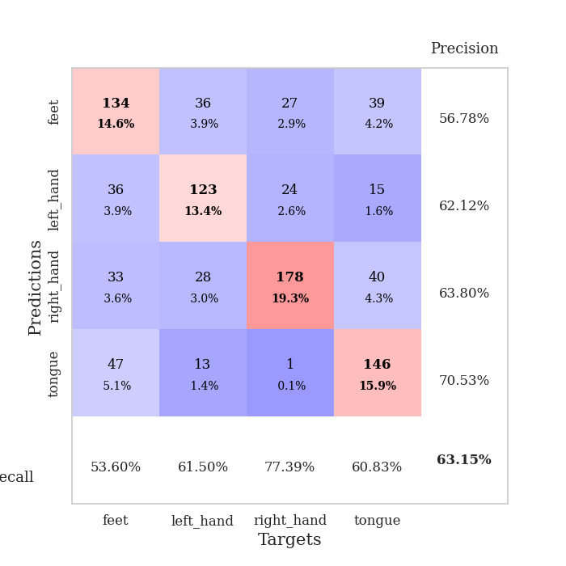
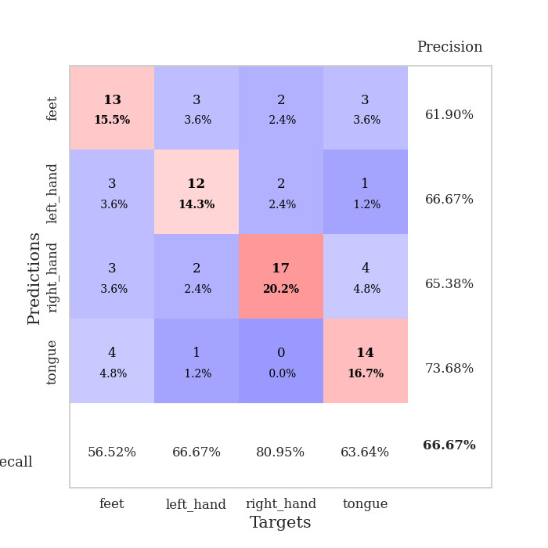
best_val_acc | best_val_los | best_test_acc
0.66304347826 | 1.6140044824 | 0.54310344828
0.64130434783 | 1.5729572462 | 0.58620689655
0.61956521739 | 1.7185623957 | 0.5
0.64130434783 | 1.7592092441 | 0.56034482759
0.63043478261 | 1.6685149877 | 0.54310344828
0.64130434783 | 1.6639050038 | 0.50862068966
0.61956521739 | 1.5862805843 | 0.56034482759
0.61956521739 | 1.559832744 | 0.63793103448
0.63043478261 | 1.6287511224 | 0.60344827586
0.60869565217 | 1.6371379935 | 0.53448275862

Mean,std Val accuracy is 0.6315217391304347 , 0.01575149646324937 and mean, std test accuracy is 0.5577586206896552 , 0.04224235670149252

Sheet1
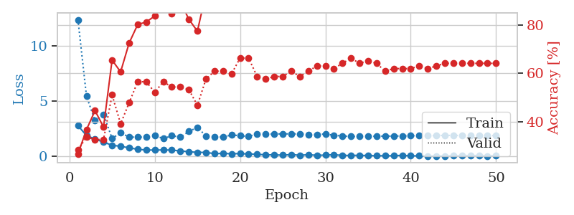
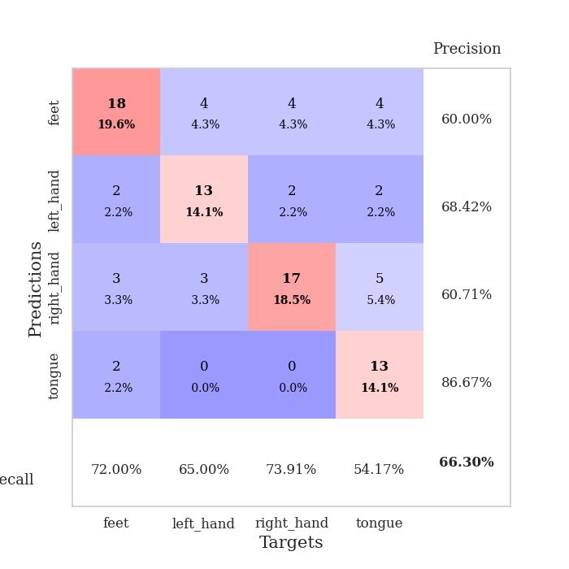
train_loss | valid_loss | train_accuracy | valid_accuracy | dur | train_misclass | valid_misclass
2.7878278494 | 12.374755859 | 0.26630434783 | 0.28260869565 | 0.0340924263 | 26.630434783 | 28.260869565
1.9005742788 | 5.4540560556 | 0.36684782609 | 0.33695652174 | 0.032192707062 | 36.684782609 | 33.695652174
1.581001091 | 3.2378563259 | 0.44565217391 | 0.32608695652 | 0.031579017639 | 44.565217391 | 32.608695652
1.2986703515 | 3.8025817145 | 0.3777173913 | 0.32608695652 | 0.031698465347 | 37.77173913 | 32.608695652
1.019474566 | 1.6266876304 | 0.65489130435 | 0.51086956522 | 0.031747341156 | 65.489130435 | 51.086956522
0.92212370634 | 2.1536663201 | 0.60597826087 | 0.39130434783 | 0.032459020615 | 60.597826087 | 39.130434783
0.78360689878 | 1.755654107 | 0.72554347826 | 0.47826086957 | 0.031680822372 | 72.554347826 | 47.826086957
0.65548863411 | 1.7463684859 | 0.80163043478 | 0.5652173913 | 0.031670331955 | 80.163043478 | 56.52173913
0.58378623128 | 1.7592161168 | 0.8125 | 0.5652173913 | 0.032004833221 | 81.25 | 56.52173913
0.58511294127 | 1.9146946617 | 0.83695652174 | 0.52173913043 | 0.03163433075 | 83.695652174 | 52.173913043
0.59255687594 | 1.6140044824 | 0.92663043478 | 0.5652173913 | 0.031606674194 | 92.663043478 | 56.52173913
0.58156427741 | 1.8829759256 | 0.84782608696 | 0.54347826087 | 0.031619787216 | 84.782608696 | 54.347826087
0.49569340944 | 1.7487927675 | 0.89673913043 | 0.54347826087 | 0.031618833542 | 89.673913043 | 54.347826087
0.43655304313 | 2.2618972841 | 0.82336956522 | 0.53260869565 | 0.031580209732 | 82.336956522 | 53.260869565
0.36925455034 | 2.6390951198 | 0.77445652174 | 0.46739130435 | 0.031612873077 | 77.445652174 | 46.739130435
0.37620520294 | 1.8566730385 | 0.93206521739 | 0.57608695652 | 0.031583786011 | 93.206521739 | 57.608695652
0.25529821515 | 1.7870717774 | 0.95923913043 | 0.60869565217 | 0.032720327377 | 95.923913043 | 60.869565217
0.28611625731 | 1.7496465548 | 0.97826086957 | 0.60869565217 | 0.03223323822 | 97.826086957 | 60.869565217
0.24329510331 | 1.9493530159 | 0.95923913043 | 0.59782608696 | 0.031859397888 | 95.923913043 | 59.782608696
0.26668368876 | 1.8808498331 | 0.95108695652 | 0.66304347826 | 0.031629323959 | 95.108695652 | 66.304347826
0.22294446081 | 1.8102948458 | 0.97282608696 | 0.66304347826 | 0.034831285477 | 97.282608696 | 66.304347826
0.19923866987 | 2.0466827724 | 0.95923913043 | 0.58695652174 | 0.030988454819 | 95.923913043 | 58.695652174
0.15144529641 | 2.0262082504 | 0.97554347826 | 0.57608695652 | 0.030990123749 | 97.554347826 | 57.608695652
0.1556976229 | 2.028797642 | 0.99456521739 | 0.58695652174 | 0.030907154083 | 99.456521739 | 58.695652174
0.12131440043 | 2.0543362369 | 0.9972826087 | 0.58695652174 | 0.030937671661 | 99.72826087 | 58.695652174
0.17730278149 | 2.0385524708 | 0.9972826087 | 0.60869565217 | 0.030949354172 | 99.72826087 | 60.869565217
0.11669297814 | 2.0525336421 | 0.9972826087 | 0.58695652174 | 0.031150102615 | 99.72826087 | 58.695652174
0.16286706775 | 1.9663421849 | 0.9972826087 | 0.60869565217 | 0.031153917313 | 99.72826087 | 60.869565217
0.11146174669 | 2.0001653122 | 0.99184782609 | 0.63043478261 | 0.033663988113 | 99.184782609 | 63.043478261
0.12481329255 | 2.03119874 | 0.99456521739 | 0.63043478261 | 0.031624794006 | 99.456521739 | 63.043478261
0.16925225407 | 1.92114249 | 1 | 0.61956521739 | 0.031497478485 | 100 | 61.956521739
0.096695758402 | 1.8525845953 | 1 | 0.64130434783 | 0.031522512436 | 100 | 64.130434783
0.10132242441 | 1.8135389401 | 1 | 0.66304347826 | 0.031504631042 | 100 | 66.304347826
0.10495414883 | 1.8106081175 | 1 | 0.64130434783 | 0.03156375885 | 100 | 64.130434783
0.090567167103 | 1.8278780243 | 1 | 0.65217391304 | 0.031653881073 | 100 | 65.217391304
0.066154810041 | 1.8331428507 | 1 | 0.64130434783 | 0.031579732895 | 100 | 64.130434783
0.070780353993 | 1.8434755077 | 1 | 0.60869565217 | 0.031626224518 | 100 | 60.869565217
0.065233081579 | 1.8489937679 | 1 | 0.61956521739 | 0.031625270844 | 100 | 61.956521739
0.10938358828 | 1.861948656 | 1 | 0.61956521739 | 0.031602144241 | 100 | 61.956521739
0.058946786448 | 1.8804408571 | 1 | 0.61956521739 | 0.031601905823 | 100 | 61.956521739
0.061006519943 | 1.8902709691 | 1 | 0.63043478261 | 0.031611680984 | 100 | 63.043478261
0.040701592714 | 1.8934514523 | 1 | 0.61956521739 | 0.031680583954 | 100 | 61.956521739
0.044155593216 | 1.9027677308 | 1 | 0.63043478261 | 0.031560182571 | 100 | 63.043478261
0.052962097153 | 1.9065766438 | 1 | 0.64130434783 | 0.031620979309 | 100 | 64.130434783
0.074495082349 | 1.907363394 | 1 | 0.64130434783 | 0.031572580338 | 100 | 64.130434783
0.074901910499 | 1.9054817635 | 1 | 0.64130434783 | 0.031598091125 | 100 | 64.130434783
0.098627919704 | 1.9011315366 | 1 | 0.64130434783 | 0.031532526016 | 100 | 64.130434783
0.087357890606 | 1.8968163366 | 1 | 0.64130434783 | 0.031606674194 | 100 | 64.130434783
0.045564294979 | 1.8973106301 | 1 | 0.64130434783 | 0.031584739685 | 100 | 64.130434783
0.08817903176 | 1.8977569808 | 1 | 0.64130434783 | 0.031422376633 | 100 | 64.130434783

Best Val accuracy is 0.6630434782608695 and Best test accuracy is 0.5431034482758621

Sheet2
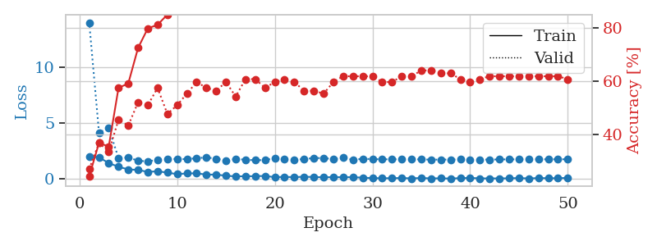
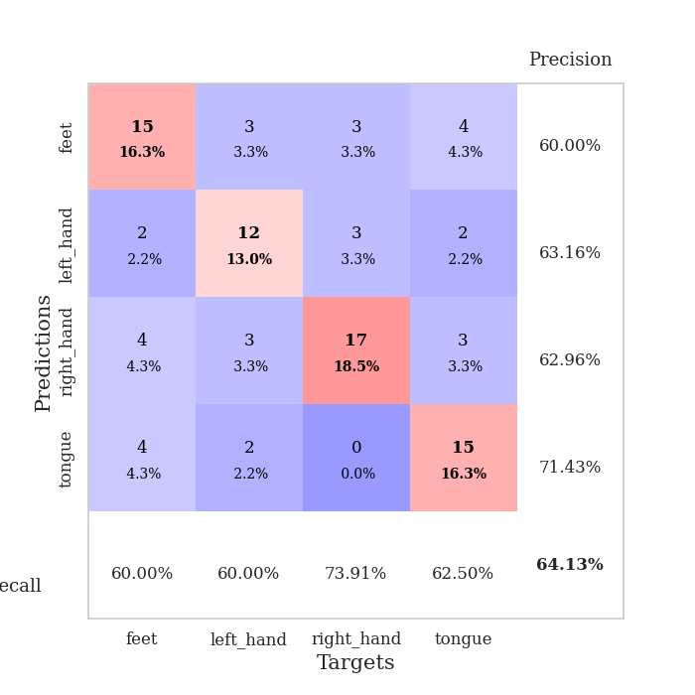
train_loss | valid_loss | train_accuracy | valid_accuracy | dur | train_misclass | valid_misclass
1.9921373367 | 14.034266887 | 0.24456521739 | 0.27173913043 | 0.034987926483 | 24.456521739 | 27.173913043
1.9388612747 | 4.165820609 | 0.36956521739 | 0.36956521739 | 0.03338766098 | 36.956521739 | 36.956521739
1.4244735956 | 4.5528503086 | 0.35597826087 | 0.33695652174 | 0.032999992371 | 35.597826087 | 33.695652174
1.0929655313 | 1.8765211209 | 0.57608695652 | 0.45652173913 | 0.032714128494 | 57.608695652 | 45.652173913
0.85393280983 | 1.935791451 | 0.59239130435 | 0.4347826087 | 0.033766031265 | 59.239130435 | 43.47826087
0.81298458576 | 1.6353614797 | 0.72554347826 | 0.52173913043 | 0.032660484314 | 72.554347826 | 52.173913043
0.63104991317 | 1.5729572462 | 0.79891304348 | 0.51086956522 | 0.033196687698 | 79.891304348 | 51.086956522
0.69089267254 | 1.72277718 | 0.8125 | 0.57608695652 | 0.034130096436 | 81.25 | 57.608695652
0.56997456551 | 1.8149773504 | 0.85054347826 | 0.47826086957 | 0.032214641571 | 85.054347826 | 47.826086957
0.42986406386 | 1.7890930279 | 0.90760869565 | 0.51086956522 | 0.031420230865 | 90.760869565 | 51.086956522
0.49861151576 | 1.7814309182 | 0.94836956522 | 0.55434782609 | 0.031167984009 | 94.836956522 | 55.434782609
0.5030815959 | 1.8612924503 | 0.92391304348 | 0.59782608696 | 0.033113002777 | 92.391304348 | 59.782608696
0.38882731795 | 1.9364931998 | 0.90489130435 | 0.57608695652 | 0.032186985016 | 90.489130435 | 57.608695652
0.39149203897 | 1.8174257278 | 0.97826086957 | 0.5652173913 | 0.031206130981 | 97.826086957 | 56.52173913
0.28805641532 | 1.6643996135 | 0.97554347826 | 0.59782608696 | 0.031239271164 | 97.554347826 | 59.782608696
0.23153496981 | 1.7862056338 | 0.96467391304 | 0.54347826087 | 0.03124499321 | 96.467391304 | 54.347826087
0.24340840578 | 1.7316183733 | 0.98641304348 | 0.60869565217 | 0.031674623489 | 98.641304348 | 60.869565217
0.24889242053 | 1.6728213611 | 0.99184782609 | 0.60869565217 | 0.032841682434 | 99.184782609 | 60.869565217
0.27119890749 | 1.7061883522 | 0.98641304348 | 0.57608695652 | 0.031923294067 | 98.641304348 | 57.608695652
0.15664986074 | 1.8619396479 | 0.98097826087 | 0.59782608696 | 0.031739234924 | 98.097826087 | 59.782608696
0.18796536922 | 1.7756807078 | 0.99456521739 | 0.60869565217 | 0.031786203384 | 99.456521739 | 60.869565217
0.15914947391 | 1.7414362845 | 0.99184782609 | 0.59782608696 | 0.031713724136 | 99.184782609 | 59.782608696
0.19954057336 | 1.7748965491 | 0.98641304348 | 0.5652173913 | 0.031716585159 | 98.641304348 | 56.52173913
0.17104807794 | 1.8842327802 | 0.97826086957 | 0.5652173913 | 0.03177857399 | 97.826086957 | 56.52173913
0.15416561216 | 1.8688549062 | 0.99184782609 | 0.55434782609 | 0.031727075577 | 99.184782609 | 55.434782609
0.16054156721 | 1.7894315098 | 0.9972826087 | 0.59782608696 | 0.031695127487 | 99.72826087 | 59.782608696
0.15679804087 | 1.8952192949 | 0.98913043478 | 0.61956521739 | 0.031681537628 | 98.913043478 | 61.956521739
0.15830679238 | 1.7270938987 | 1 | 0.61956521739 | 0.032930135727 | 100 | 61.956521739
0.11631358117 | 1.8054253329 | 0.99456521739 | 0.61956521739 | 0.031728029251 | 99.456521739 | 61.956521739
0.076138379425 | 1.7827121797 | 1 | 0.61956521739 | 0.031725406647 | 100 | 61.956521739
0.063868892193 | 1.7634634453 | 1 | 0.59782608696 | 0.031694889069 | 100 | 59.782608696
0.06771101132 | 1.7645510176 | 1 | 0.59782608696 | 0.031728744507 | 100 | 59.782608696
0.084196490049 | 1.7665746212 | 1 | 0.61956521739 | 0.031720638275 | 100 | 61.956521739
0.0524254594 | 1.7755946595 | 1 | 0.61956521739 | 0.031781673431 | 100 | 61.956521739
0.085561555624 | 1.7489971389 | 1 | 0.64130434783 | 0.032428026199 | 100 | 64.130434783
0.048684508167 | 1.7340276863 | 1 | 0.64130434783 | 0.03338265419 | 100 | 64.130434783
0.055822146125 | 1.7341776412 | 1 | 0.63043478261 | 0.033699274063 | 100 | 63.043478261
0.035782589857 | 1.7427052 | 1 | 0.63043478261 | 0.032463312149 | 100 | 63.043478261
0.07203828916 | 1.7484921372 | 1 | 0.60869565217 | 0.034160614014 | 100 | 60.869565217
0.094566880167 | 1.7313548067 | 1 | 0.59782608696 | 0.033227205276 | 100 | 59.782608696
0.053007746488 | 1.7344281466 | 1 | 0.60869565217 | 0.035246133804 | 100 | 60.869565217
0.046609279513 | 1.7412048423 | 1 | 0.61956521739 | 0.032754898071 | 100 | 61.956521739
0.050464796275 | 1.7498648581 | 1 | 0.61956521739 | 0.03178858757 | 100 | 61.956521739
0.055355324224 | 1.7568952934 | 1 | 0.61956521739 | 0.032723903656 | 100 | 61.956521739
0.082879114896 | 1.7606728906 | 1 | 0.61956521739 | 0.032268762589 | 100 | 61.956521739
0.042527783476 | 1.7635333642 | 1 | 0.61956521739 | 0.033185005188 | 100 | 61.956521739
0.081499517709 | 1.7623869543 | 1 | 0.61956521739 | 0.032446622849 | 100 | 61.956521739
0.06593414247 | 1.7632141321 | 1 | 0.61956521739 | 0.032007455826 | 100 | 61.956521739
0.064994273335 | 1.7648066956 | 1 | 0.61956521739 | 0.032455682755 | 100 | 61.956521739
0.097747027874 | 1.7663866541 | 1 | 0.60869565217 | 0.032891511917 | 100 | 60.869565217

Best Val accuracy is 0.6413043478260869 and Best test accuracy is 0.5862068965517241

Sheet3
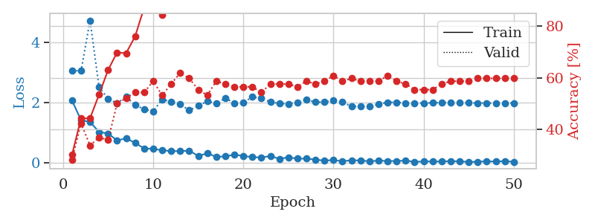
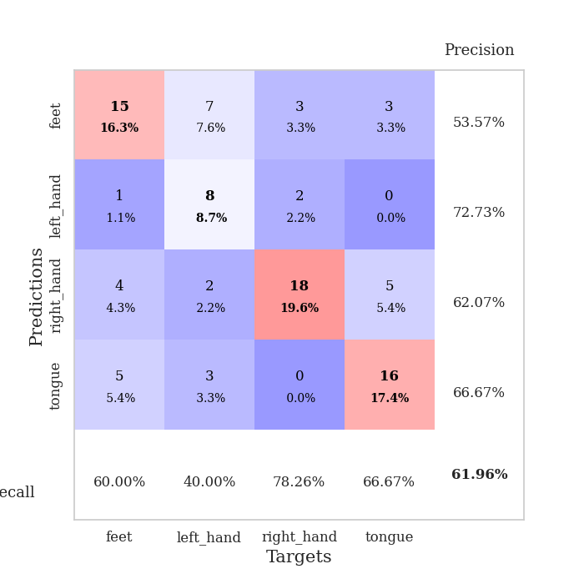
train_loss | valid_loss | train_accuracy | valid_accuracy | dur | train_misclass | valid_misclass
2.0769787073 | 3.0711404241 | 0.30163043478 | 0.28260869565 | 0.033928155899 | 30.163043478 | 28.260869565
1.4250379086 | 3.0586499442 | 0.44293478261 | 0.42391304348 | 0.033029556274 | 44.293478261 | 42.391304348
1.3664207697 | 4.7348574348 | 0.44293478261 | 0.33695652174 | 0.033335208893 | 44.293478261 | 33.695652174
1.0324547529 | 2.5239612642 | 0.53532608696 | 0.36956521739 | 0.032969474792 | 53.532608696 | 36.956521739
0.9832231164 | 2.1365526344 | 0.63043478261 | 0.35869565217 | 0.033149003983 | 63.043478261 | 35.869565217
0.74865087271 | 1.9869559537 | 0.69836956522 | 0.5 | 0.032791376114 | 69.836956522 | 50
0.82447382212 | 2.2016871079 | 0.69565217391 | 0.52173913043 | 0.033140182495 | 69.565217391 | 52.173913043
0.66845481992 | 1.9289404672 | 0.76086956522 | 0.54347826087 | 0.033261060715 | 76.086956522 | 54.347826087
0.48719416261 | 1.7879234034 | 0.8722826087 | 0.54347826087 | 0.033271312714 | 87.22826087 | 54.347826087
0.47170672417 | 1.7185623957 | 0.9375 | 0.58695652174 | 0.033092021942 | 93.75 | 58.695652174
0.42623429298 | 2.1153896892 | 0.84510869565 | 0.53260869565 | 0.033420324326 | 84.510869565 | 53.260869565
0.39695241451 | 2.0315384139 | 0.92663043478 | 0.57608695652 | 0.032400131226 | 92.663043478 | 57.608695652
0.39765992761 | 1.9473051921 | 0.95923913043 | 0.61956521739 | 0.032114267349 | 95.923913043 | 61.956521739
0.40901491642 | 1.7550835091 | 0.97010869565 | 0.59782608696 | 0.032891988754 | 97.010869565 | 59.782608696
0.24054302871 | 1.8978812124 | 0.97010869565 | 0.55434782609 | 0.033136844635 | 97.010869565 | 55.434782609
0.32023891509 | 2.0527743049 | 0.96195652174 | 0.53260869565 | 0.033093690872 | 96.195652174 | 53.260869565
0.20963575542 | 1.9763296272 | 0.96739130435 | 0.58695652174 | 0.033358097076 | 96.739130435 | 58.695652174
0.21929261833 | 2.1548192916 | 0.95108695652 | 0.57608695652 | 0.033170700073 | 95.108695652 | 57.608695652
0.27964767516 | 1.9958888137 | 0.99456521739 | 0.5652173913 | 0.033063650131 | 99.456521739 | 56.52173913
0.23887626231 | 2.0071353809 | 0.98641304348 | 0.5652173913 | 0.033205986023 | 98.641304348 | 56.52173913
0.19784181416 | 2.1954385198 | 0.97010869565 | 0.5652173913 | 0.032578706741 | 97.010869565 | 56.52173913
0.18560356572 | 2.1481308937 | 0.98641304348 | 0.54347826087 | 0.0331158638 | 98.641304348 | 54.347826087
0.23278224766 | 2.0334260256 | 0.9972826087 | 0.57608695652 | 0.033328056335 | 99.72826087 | 57.608695652
0.14171029329 | 1.9750783029 | 1 | 0.57608695652 | 0.033049821854 | 100 | 57.608695652
0.19019451439 | 1.9701267222 | 1 | 0.57608695652 | 0.032830476761 | 100 | 57.608695652
0.14760274887 | 2.0134860329 | 1 | 0.5652173913 | 0.032741069794 | 100 | 56.52173913
0.1476673495 | 2.1063651624 | 1 | 0.58695652174 | 0.032580852509 | 100 | 58.695652174
0.11531480551 | 2.0218793206 | 1 | 0.57608695652 | 0.032938718796 | 100 | 57.608695652
0.080413783342 | 2.0246619349 | 1 | 0.58695652174 | 0.033258914948 | 100 | 58.695652174
0.100482703 | 2.0736225688 | 1 | 0.60869565217 | 0.033014059067 | 100 | 60.869565217
0.060662186891 | 2.0300663658 | 1 | 0.58695652174 | 0.033125638962 | 100 | 58.695652174
0.093802425265 | 1.8747845577 | 1 | 0.59782608696 | 0.033061504364 | 100 | 59.782608696
0.085385777056 | 1.8814361769 | 1 | 0.58695652174 | 0.033174037933 | 100 | 58.695652174
0.05844942145 | 1.8969249466 | 1 | 0.58695652174 | 0.033127307892 | 100 | 58.695652174
0.082211345062 | 1.9495462179 | 1 | 0.58695652174 | 0.03305721283 | 100 | 58.695652174
0.070690285414 | 2.0197141274 | 1 | 0.60869565217 | 0.033151388168 | 100 | 60.869565217
0.066929692961 | 2.0165208215 | 1 | 0.58695652174 | 0.033077955246 | 100 | 58.695652174
0.084327095002 | 1.9933035581 | 1 | 0.57608695652 | 0.033178329468 | 100 | 57.608695652
0.040510205925 | 1.9931433408 | 1 | 0.55434782609 | 0.033042192459 | 100 | 55.434782609
0.054947757721 | 1.9937164783 | 1 | 0.55434782609 | 0.033036231995 | 100 | 55.434782609
0.055379193835 | 1.9974203213 | 1 | 0.55434782609 | 0.033263921738 | 100 | 55.434782609
0.053713082895 | 2.0108443861 | 1 | 0.57608695652 | 0.032672405243 | 100 | 57.608695652
0.066662156209 | 2.0095472439 | 1 | 0.58695652174 | 0.034276247025 | 100 | 58.695652174
0.056541147456 | 2.0049475898 | 1 | 0.58695652174 | 0.032814025879 | 100 | 58.695652174
0.040765691921 | 1.9991518726 | 1 | 0.58695652174 | 0.032736063004 | 100 | 58.695652174
0.043977227435 | 1.9928488835 | 1 | 0.59782608696 | 0.032717466354 | 100 | 59.782608696
0.060724575818 | 1.9934832531 | 1 | 0.59782608696 | 0.032914638519 | 100 | 59.782608696
0.049911634438 | 1.9953498633 | 1 | 0.59782608696 | 0.033039808273 | 100 | 59.782608696
0.068868534267 | 1.9939814236 | 1 | 0.59782608696 | 0.033037424088 | 100 | 59.782608696
0.041736765578 | 1.9930694725 | 1 | 0.59782608696 | 0.033160209656 | 100 | 59.782608696

Best Val accuracy is 0.6195652173913043 and Best test accuracy is 0.5

Sheet4
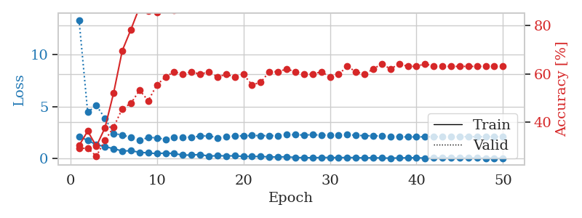
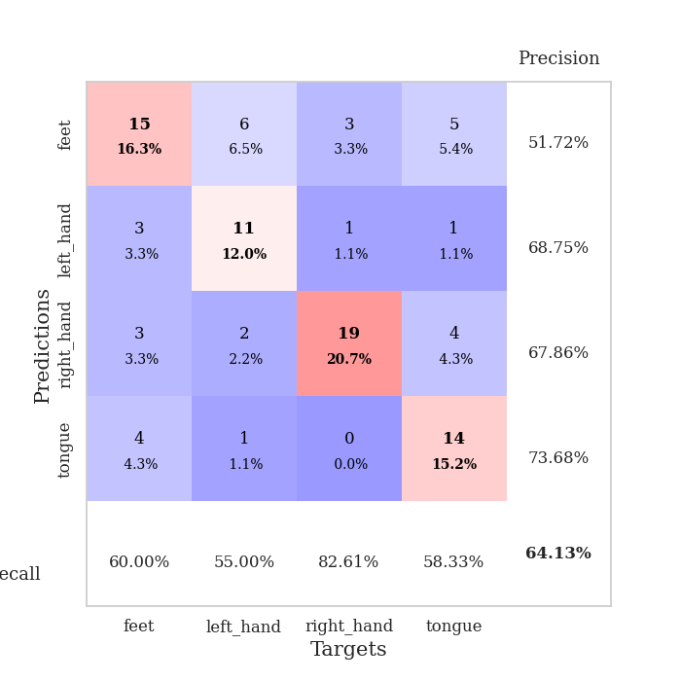
train_loss | valid_loss | train_accuracy | valid_accuracy | dur | train_misclass | valid_misclass
2.1318636417 | 13.331095115 | 0.30434782609 | 0.29347826087 | 0.034204959869 | 30.434782609 | 29.347826087
1.7454846382 | 4.4580226152 | 0.36413043478 | 0.29347826087 | 0.033330440521 | 36.413043478 | 29.347826087
1.3360490799 | 5.1062670791 | 0.30163043478 | 0.26086956522 | 0.032482385635 | 30.163043478 | 26.086956522
1.1458694577 | 3.8712823909 | 0.3777173913 | 0.32608695652 | 0.032527923584 | 37.77173913 | 32.608695652
0.94983972311 | 2.4095153083 | 0.52173913043 | 0.38043478261 | 0.032798051834 | 52.173913043 | 38.043478261
0.72730593681 | 2.2621600835 | 0.69565217391 | 0.45652173913 | 0.033641338348 | 69.565217391 | 45.652173913
0.75141842365 | 2.0348865623 | 0.78260869565 | 0.47826086957 | 0.032922029495 | 78.260869565 | 47.826086957
0.6026158452 | 1.7592092441 | 0.875 | 0.53260869565 | 0.032185792923 | 87.5 | 53.260869565
0.54118745923 | 2.0218891994 | 0.85869565217 | 0.48913043478 | 0.032160520554 | 85.869565217 | 48.913043478
0.47441731095 | 2.0048328586 | 0.85326086957 | 0.55434782609 | 0.032409667969 | 85.326086957 | 55.434782609
0.53456277847 | 1.8310019763 | 0.92391304348 | 0.58695652174 | 0.033100366592 | 92.391304348 | 58.695652174
0.48330448866 | 2.0562807995 | 0.86141304348 | 0.60869565217 | 0.033362150192 | 86.141304348 | 60.869565217
0.32834039032 | 2.0237849588 | 0.94293478261 | 0.59782608696 | 0.032805681229 | 94.293478261 | 59.782608696
0.33912590742 | 2.0714798077 | 0.95380434783 | 0.60869565217 | 0.033129930496 | 95.380434783 | 60.869565217
0.38695511222 | 2.1476392953 | 0.95108695652 | 0.59782608696 | 0.032462596893 | 95.108695652 | 59.782608696
0.23327711523 | 2.1946079731 | 0.92663043478 | 0.60869565217 | 0.032339096069 | 92.663043478 | 60.869565217
0.27407559156 | 1.9908808211 | 0.95923913043 | 0.58695652174 | 0.032401800156 | 95.923913043 | 58.695652174
0.25702739358 | 2.0782586803 | 0.96467391304 | 0.59782608696 | 0.032335519791 | 96.467391304 | 59.782608696
0.25989445895 | 2.1794466972 | 0.96467391304 | 0.58695652174 | 0.032302856445 | 96.467391304 | 58.695652174
0.20530063659 | 2.1836661774 | 0.98641304348 | 0.59782608696 | 0.032290220261 | 98.641304348 | 59.782608696
0.19742477983 | 2.2231249706 | 0.97010869565 | 0.55434782609 | 0.032324075699 | 97.010869565 | 55.434782609
0.20207862407 | 2.2003250329 | 0.98369565217 | 0.5652173913 | 0.032274484634 | 98.369565217 | 56.52173913
0.15441303775 | 2.203348958 | 0.99184782609 | 0.60869565217 | 0.032284259796 | 99.184782609 | 60.869565217
0.15192111731 | 2.2144575741 | 0.99184782609 | 0.60869565217 | 0.032263040543 | 99.184782609 | 60.869565217
0.16924771518 | 2.3038486709 | 0.99184782609 | 0.61956521739 | 0.032266616821 | 99.184782609 | 61.956521739
0.10174919441 | 2.286010483 | 0.99184782609 | 0.60869565217 | 0.032823562622 | 99.184782609 | 60.869565217
0.085689476877 | 2.270494855 | 0.9972826087 | 0.59782608696 | 0.031998872757 | 99.72826087 | 59.782608696
0.076543238014 | 2.2876869077 | 0.9972826087 | 0.59782608696 | 0.032224655151 | 99.72826087 | 59.782608696
0.099771046638 | 2.262620418 | 0.9972826087 | 0.60869565217 | 0.032238483429 | 99.72826087 | 60.869565217
0.099933689088 | 2.2660463893 | 0.9972826087 | 0.58695652174 | 0.032132387161 | 99.72826087 | 58.695652174
0.086642988771 | 2.2828293987 | 1 | 0.59782608696 | 0.032166242599 | 100 | 59.782608696
0.1016831547 | 2.2951987619 | 1 | 0.63043478261 | 0.032494544983 | 100 | 63.043478261
0.085316483676 | 2.2425200317 | 1 | 0.60869565217 | 0.032627344131 | 100 | 60.869565217
0.057662052102 | 2.1962559638 | 1 | 0.59782608696 | 0.032258033752 | 100 | 59.782608696
0.074790806137 | 2.1858142874 | 1 | 0.61956521739 | 0.032294988632 | 100 | 61.956521739
0.055497328937 | 2.1762671471 | 1 | 0.64130434783 | 0.032205343246 | 100 | 64.130434783
0.040653366223 | 2.1417569492 | 1 | 0.61956521739 | 0.033092260361 | 100 | 61.956521739
0.059764590114 | 2.0981456404 | 1 | 0.64130434783 | 0.032767295837 | 100 | 64.130434783
0.074719522893 | 2.0781648159 | 1 | 0.63043478261 | 0.032448768616 | 100 | 63.043478261
0.078051927686 | 2.082350451 | 1 | 0.63043478261 | 0.032627105713 | 100 | 63.043478261
0.047193067521 | 2.0900898498 | 1 | 0.64130434783 | 0.033240556717 | 100 | 64.130434783
0.078673261404 | 2.0940197136 | 1 | 0.63043478261 | 0.033337831497 | 100 | 63.043478261
0.083719436452 | 2.1033921449 | 1 | 0.63043478261 | 0.03193116188 | 100 | 63.043478261
0.073386901245 | 2.1034535843 | 1 | 0.63043478261 | 0.031960725784 | 100 | 63.043478261
0.055150920525 | 2.1043483796 | 1 | 0.63043478261 | 0.033129692078 | 100 | 63.043478261
0.06375783328 | 2.105971129 | 1 | 0.63043478261 | 0.033205509186 | 100 | 63.043478261
0.059925261885 | 2.1017686284 | 1 | 0.63043478261 | 0.034852743149 | 100 | 63.043478261
0.046212999523 | 2.1027160105 | 1 | 0.63043478261 | 0.03163433075 | 100 | 63.043478261
0.030659246258 | 2.1023349451 | 1 | 0.63043478261 | 0.034408330917 | 100 | 63.043478261
0.032454948872 | 2.1019838789 | 1 | 0.63043478261 | 0.032280921936 | 100 | 63.043478261

Best Val accuracy is 0.6413043478260869 and Best test accuracy is 0.5603448275862069

Sheet5
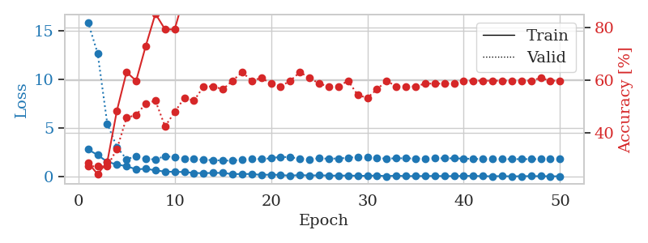
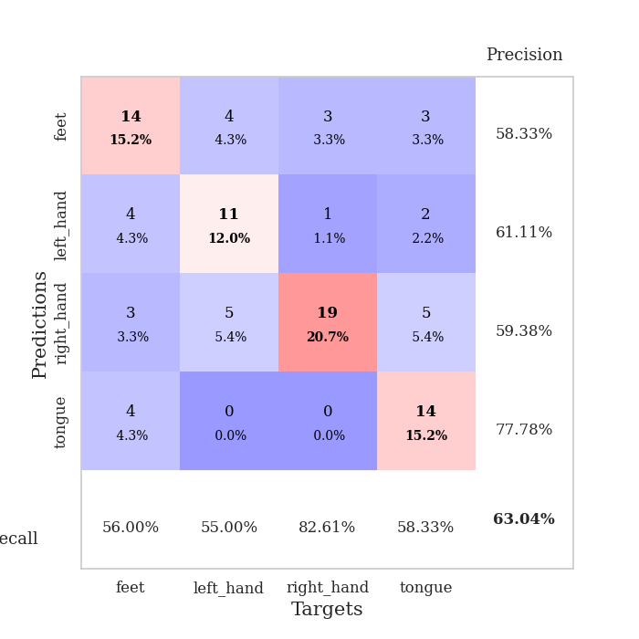
train_loss | valid_loss | train_accuracy | valid_accuracy | dur | train_misclass | valid_misclass
2.8155932188 | 15.85644921 | 0.28532608696 | 0.27173913043 | 0.034804105759 | 28.532608696 | 27.173913043
2.2419295073 | 12.68655437 | 0.24184782609 | 0.27173913043 | 0.03346323967 | 24.184782609 | 27.173913043
1.5444154263 | 5.4624907659 | 0.28804347826 | 0.27173913043 | 0.033637523651 | 28.804347826 | 27.173913043
1.2626989603 | 3.055430858 | 0.48369565217 | 0.33695652174 | 0.033369779587 | 48.369565217 | 33.695652174
1.0953767538 | 1.8115647617 | 0.63043478261 | 0.45652173913 | 0.032703399658 | 63.043478261 | 45.652173913
0.76997591257 | 2.1200772057 | 0.59782608696 | 0.46739130435 | 0.032731056213 | 59.782608696 | 46.739130435
0.83098731041 | 1.8286998635 | 0.73097826087 | 0.51086956522 | 0.033337593079 | 73.097826087 | 51.086956522
0.66674528122 | 1.7886232345 | 0.85326086957 | 0.52173913043 | 0.033428192139 | 85.326086957 | 52.173913043
0.54047033787 | 2.1258811899 | 0.79347826087 | 0.42391304348 | 0.032698154449 | 79.347826087 | 42.391304348
0.51087349653 | 2.0208627711 | 0.79347826087 | 0.47826086957 | 0.032467603683 | 79.347826087 | 47.826086957
0.50151507854 | 1.8485239433 | 0.92391304348 | 0.53260869565 | 0.032494306564 | 92.391304348 | 53.260869565
0.39975745082 | 1.8399658566 | 0.92119565217 | 0.52173913043 | 0.0332467556 | 92.119565217 | 52.173913043
0.37797552347 | 1.7397553973 | 0.92934782609 | 0.57608695652 | 0.03272652626 | 92.934782609 | 57.608695652
0.40599974394 | 1.721074011 | 0.92391304348 | 0.57608695652 | 0.033135652542 | 92.391304348 | 57.608695652
0.40581397414 | 1.6685149877 | 0.95108695652 | 0.5652173913 | 0.03254532814 | 95.108695652 | 56.52173913
0.28086108565 | 1.6690402808 | 0.96467391304 | 0.59782608696 | 0.032612323761 | 96.467391304 | 59.782608696
0.29519022703 | 1.7583742971 | 0.95652173913 | 0.63043478261 | 0.033779859543 | 95.652173913 | 63.043478261
0.29364688694 | 1.8578665723 | 0.99184782609 | 0.59782608696 | 0.032667636871 | 99.184782609 | 59.782608696
0.19769980907 | 1.8165071373 | 0.98097826087 | 0.60869565217 | 0.032464504242 | 98.097826087 | 60.869565217
0.2339964062 | 1.9122511874 | 0.98913043478 | 0.58695652174 | 0.032539367676 | 98.913043478 | 58.695652174
0.18875710219 | 2.0531284446 | 0.99456521739 | 0.57608695652 | 0.032444953918 | 99.456521739 | 57.608695652
0.11714001745 | 2.0069877687 | 0.99184782609 | 0.59782608696 | 0.032450199127 | 99.184782609 | 59.782608696
0.19263880253 | 1.8704792883 | 0.99184782609 | 0.63043478261 | 0.032420635223 | 99.184782609 | 63.043478261
0.13377882838 | 1.8082811832 | 0.99184782609 | 0.60869565217 | 0.032426834106 | 99.184782609 | 60.869565217
0.16309205294 | 1.8977855755 | 0.98913043478 | 0.58695652174 | 0.032407522202 | 98.913043478 | 58.695652174
0.13210247308 | 1.8605260072 | 0.99456521739 | 0.57608695652 | 0.032447099686 | 99.456521739 | 57.608695652
0.12279527858 | 1.8930195466 | 0.99456521739 | 0.57608695652 | 0.032480478287 | 99.456521739 | 57.608695652
0.13828962818 | 1.9505443625 | 0.9972826087 | 0.59782608696 | 0.032407045364 | 99.72826087 | 59.782608696
0.10808298066 | 2.0597102435 | 1 | 0.54347826087 | 0.032512187958 | 100 | 54.347826087
0.10332315266 | 2.0399769337 | 1 | 0.53260869565 | 0.032509326935 | 100 | 53.260869565
0.14161304533 | 1.9177112061 | 1 | 0.5652173913 | 0.032477617264 | 100 | 56.52173913
0.068639258295 | 1.8739969108 | 1 | 0.59782608696 | 0.032522678375 | 100 | 59.782608696
0.12961795107 | 1.903509679 | 1 | 0.57608695652 | 0.032511472702 | 100 | 57.608695652
0.069908555225 | 1.9053754807 | 1 | 0.57608695652 | 0.032396793365 | 100 | 57.608695652
0.087030611932 | 1.8799305429 | 1 | 0.57608695652 | 0.0324614048 | 100 | 57.608695652
0.078742294014 | 1.8818330454 | 1 | 0.58695652174 | 0.032526731491 | 100 | 58.695652174
0.096227158606 | 1.9147366804 | 1 | 0.58695652174 | 0.032410383224 | 100 | 58.695652174
0.073034459352 | 1.9040014174 | 1 | 0.58695652174 | 0.032445430756 | 100 | 58.695652174
0.077138067782 | 1.8972776662 | 1 | 0.58695652174 | 0.032386779785 | 100 | 58.695652174
0.095622249693 | 1.8761747557 | 1 | 0.59782608696 | 0.032450914383 | 100 | 59.782608696
0.098465254158 | 1.8435306497 | 1 | 0.59782608696 | 0.032366991043 | 100 | 59.782608696
0.071058911085 | 1.8258270233 | 1 | 0.59782608696 | 0.032526254654 | 100 | 59.782608696
0.060395052657 | 1.8221171058 | 1 | 0.59782608696 | 0.032511234283 | 100 | 59.782608696
0.0793754071 | 1.82037254 | 1 | 0.59782608696 | 0.032442808151 | 100 | 59.782608696
0.049095258489 | 1.8193409702 | 1 | 0.59782608696 | 0.032906293869 | 100 | 59.782608696
0.067918702215 | 1.8179989587 | 1 | 0.59782608696 | 0.032634973526 | 100 | 59.782608696
0.073143406957 | 1.8196512357 | 1 | 0.59782608696 | 0.032552242279 | 100 | 59.782608696
0.070376103744 | 1.8174101736 | 1 | 0.60869565217 | 0.032759666443 | 100 | 60.869565217
0.061435752735 | 1.8189408831 | 1 | 0.59782608696 | 0.032547712326 | 100 | 59.782608696
0.057007292658 | 1.8187341431 | 1 | 0.59782608696 | 0.032583236694 | 100 | 59.782608696

Best Val accuracy is 0.6304347826086957 and Best test accuracy is 0.5431034482758621

Sheet6
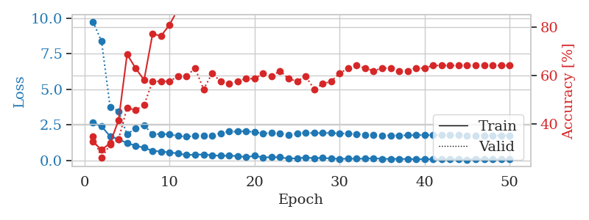
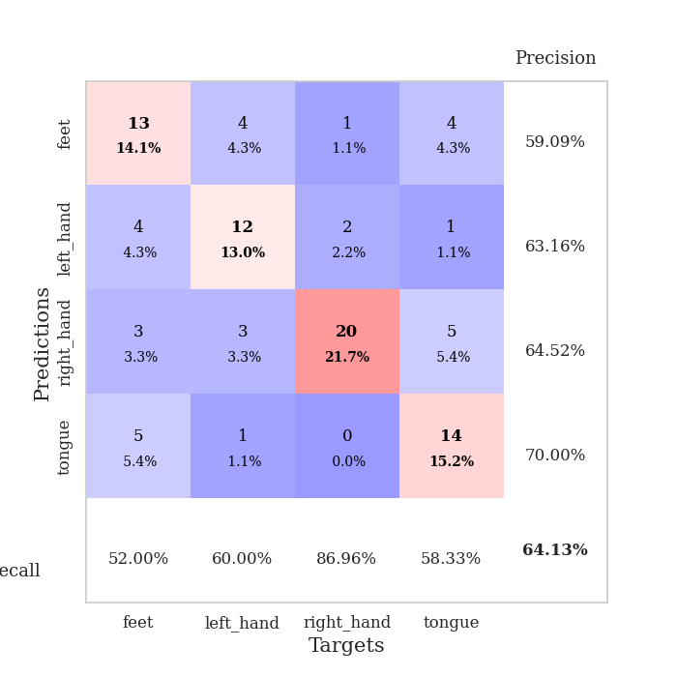
train_loss | valid_loss | train_accuracy | valid_accuracy | dur | train_misclass | valid_misclass
2.6582233906 | 9.7282687892 | 0.32608695652 | 0.34782608696 | 0.034703969955 | 32.608695652 | 34.782608696
2.3775647163 | 8.3555385755 | 0.29347826087 | 0.26086956522 | 0.033710002899 | 29.347826087 | 26.086956522
1.6961834669 | 3.7614838351 | 0.32065217391 | 0.3152173913 | 0.035429954529 | 32.065217391 | 31.52173913
1.4633027792 | 3.4514249615 | 0.41576086957 | 0.33695652174 | 0.033067703247 | 41.576086957 | 33.695652174
1.2182649136 | 1.8152655208 | 0.6875 | 0.46739130435 | 0.033203840256 | 68.75 | 46.739130435
1.0245077252 | 2.2691003032 | 0.63043478261 | 0.45652173913 | 0.033211231232 | 63.043478261 | 45.652173913
0.8833897233 | 2.4612793715 | 0.58152173913 | 0.47826086957 | 0.033143520355 | 58.152173913 | 47.826086957
0.67053931952 | 1.829557595 | 0.77173913043 | 0.57608695652 | 0.033324480057 | 77.173913043 | 57.608695652
0.61113162041 | 1.8543963951 | 0.76358695652 | 0.57608695652 | 0.033233880997 | 76.358695652 | 57.608695652
0.56427346468 | 1.8235683856 | 0.8097826087 | 0.57608695652 | 0.033050298691 | 80.97826087 | 57.608695652
0.47694959641 | 1.7069047689 | 0.875 | 0.59782608696 | 0.03314781189 | 87.5 | 59.782608696
0.3660844326 | 1.6639050038 | 0.90489130435 | 0.59782608696 | 0.033268213272 | 90.489130435 | 59.782608696
0.40073352456 | 1.7111809668 | 0.9347826087 | 0.63043478261 | 0.033180952072 | 93.47826087 | 63.043478261
0.40498953462 | 1.7163027318 | 0.96195652174 | 0.54347826087 | 0.033293008804 | 96.195652174 | 54.347826087
0.35768831968 | 1.735889808 | 0.94836956522 | 0.60869565217 | 0.033169984818 | 94.836956522 | 60.869565217
0.31551941931 | 1.9045080206 | 0.95108695652 | 0.57608695652 | 0.033123970032 | 95.108695652 | 57.608695652
0.32610489726 | 2.0208961445 | 0.97282608696 | 0.5652173913 | 0.033267498016 | 97.282608696 | 56.52173913
0.30004519522 | 2.0176184799 | 0.96195652174 | 0.57608695652 | 0.03314781189 | 96.195652174 | 57.608695652
0.21754708588 | 2.0536412052 | 0.96195652174 | 0.58695652174 | 0.033124446869 | 96.195652174 | 58.695652174
0.31801832914 | 1.9746105878 | 0.97554347826 | 0.58695652174 | 0.033239841461 | 97.554347826 | 58.695652174
0.19973018169 | 1.902872863 | 0.98369565217 | 0.60869565217 | 0.03310918808 | 98.369565217 | 60.869565217
0.2220756501 | 1.9174167643 | 0.98641304348 | 0.59782608696 | 0.033123970032 | 98.641304348 | 59.782608696
0.2110530436 | 1.8721067594 | 0.98641304348 | 0.61956521739 | 0.032893180847 | 98.641304348 | 61.956521739
0.11736024171 | 1.7592891714 | 0.98913043478 | 0.58695652174 | 0.032931089401 | 98.913043478 | 58.695652174
0.14105765671 | 1.8910399002 | 0.99456521739 | 0.57608695652 | 0.032977104187 | 99.456521739 | 57.608695652
0.1972137332 | 1.9344520465 | 1 | 0.59782608696 | 0.032508134842 | 100 | 59.782608696
0.15084702745 | 1.9114811006 | 1 | 0.54347826087 | 0.032160282135 | 100 | 54.347826087
0.17015801221 | 1.921487803 | 0.9972826087 | 0.5652173913 | 0.031780719757 | 99.72826087 | 56.52173913
0.12365910485 | 1.918643941 | 0.9972826087 | 0.57608695652 | 0.031956911087 | 99.72826087 | 57.608695652
0.1044857122 | 1.8972858916 | 0.9972826087 | 0.60869565217 | 0.03218960762 | 99.72826087 | 60.869565217
0.11129343286 | 1.8718772712 | 0.9972826087 | 0.63043478261 | 0.03257393837 | 99.72826087 | 63.043478261
0.10962261036 | 1.8425220096 | 1 | 0.64130434783 | 0.032631158829 | 100 | 64.130434783
0.11409694701 | 1.800076749 | 1 | 0.63043478261 | 0.033211946487 | 100 | 63.043478261
0.14530638605 | 1.7763797615 | 1 | 0.61956521739 | 0.03325176239 | 100 | 61.956521739
0.10346373022 | 1.7507745753 | 1 | 0.63043478261 | 0.032858133316 | 100 | 63.043478261
0.097737002373 | 1.7497698587 | 1 | 0.63043478261 | 0.03258061409 | 100 | 63.043478261
0.10566281229 | 1.7522802819 | 1 | 0.61956521739 | 0.032655000687 | 100 | 61.956521739
0.084541814029 | 1.7564174662 | 1 | 0.61956521739 | 0.032248973846 | 100 | 61.956521739
0.079681070149 | 1.7749970167 | 1 | 0.63043478261 | 0.03244137764 | 100 | 63.043478261
0.077683745325 | 1.7781448312 | 1 | 0.63043478261 | 0.032445192337 | 100 | 63.043478261
0.083493361622 | 1.7668293766 | 1 | 0.64130434783 | 0.032547473907 | 100 | 64.130434783
0.061141758412 | 1.7751179674 | 1 | 0.64130434783 | 0.032666444778 | 100 | 64.130434783
0.082398635149 | 1.7696814278 | 1 | 0.64130434783 | 0.032491207123 | 100 | 64.130434783
0.061021961644 | 1.7628068665 | 1 | 0.64130434783 | 0.032454967499 | 100 | 64.130434783
0.03789864704 | 1.7554357 | 1 | 0.64130434783 | 0.032633543015 | 100 | 64.130434783
0.10075620264 | 1.7531502195 | 1 | 0.64130434783 | 0.032703399658 | 100 | 64.130434783
0.077059538662 | 1.7472245641 | 1 | 0.64130434783 | 0.032276153564 | 100 | 64.130434783
0.069089072198 | 1.7479885713 | 1 | 0.64130434783 | 0.032476663589 | 100 | 64.130434783
0.063370423019 | 1.7494978542 | 1 | 0.64130434783 | 0.032728672028 | 100 | 64.130434783
0.074887061119 | 1.751409795 | 1 | 0.64130434783 | 0.032180786133 | 100 | 64.130434783

Best Val accuracy is 0.6413043478260869 and Best test accuracy is 0.5086206896551724

Sheet7
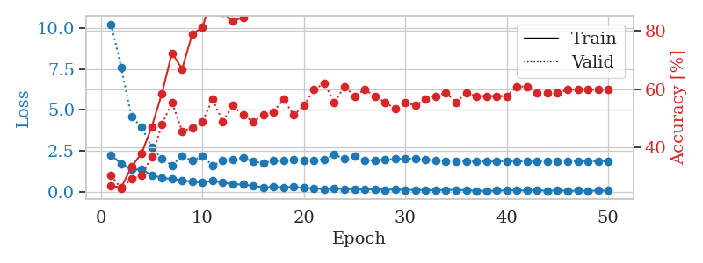
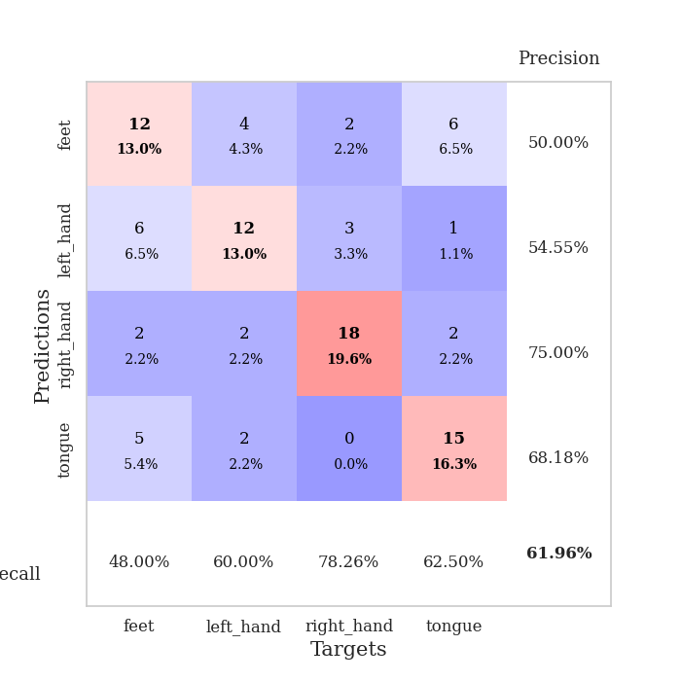
train_loss | valid_loss | train_accuracy | valid_accuracy | dur | train_misclass | valid_misclass
2.2245567322 | 10.255205859 | 0.26902173913 | 0.30434782609 | 0.03418636322 | 26.902173913 | 30.434782609
1.7210040331 | 7.5960766544 | 0.26358695652 | 0.26086956522 | 0.033097505569 | 26.358695652 | 26.086956522
1.3484101772 | 4.5855801002 | 0.33423913043 | 0.29347826087 | 0.033062696457 | 33.423913043 | 29.347826087
1.3628402233 | 3.9661899131 | 0.38043478261 | 0.30434782609 | 0.031814336777 | 38.043478261 | 30.434782609
1.0096198916 | 2.6931293529 | 0.47010869565 | 0.36956521739 | 0.033218860626 | 47.010869565 | 36.956521739
0.84822434187 | 2.015926444 | 0.58423913043 | 0.47826086957 | 0.033398628235 | 58.423913043 | 47.826086957
0.76810845137 | 1.612620193 | 0.72282608696 | 0.55434782609 | 0.033440351486 | 72.282608696 | 55.434782609
0.69594299793 | 2.1844848654 | 0.66847826087 | 0.45652173913 | 0.033468961716 | 66.847826087 | 45.652173913
0.60203243494 | 1.8936258399 | 0.78804347826 | 0.46739130435 | 0.032847166061 | 78.804347826 | 46.739130435
0.55211344361 | 2.1784047873 | 0.8097826087 | 0.48913043478 | 0.032291650772 | 80.97826087 | 48.913043478
0.65783539414 | 1.5862805843 | 0.92663043478 | 0.5652173913 | 0.032249689102 | 92.663043478 | 56.52173913
0.55825017691 | 1.9024263361 | 0.86141304348 | 0.48913043478 | 0.033532381058 | 86.141304348 | 48.913043478
0.46297715306 | 1.9701828438 | 0.83152173913 | 0.54347826087 | 0.032844543457 | 83.152173913 | 54.347826087
0.43591583371 | 2.0873334667 | 0.84510869565 | 0.51086956522 | 0.033175706863 | 84.510869565 | 51.086956522
0.3549300909 | 1.8479614154 | 0.90489130435 | 0.48913043478 | 0.032007694244 | 90.489130435 | 48.913043478
0.26107043922 | 1.7380120132 | 0.96739130435 | 0.51086956522 | 0.034506797791 | 96.739130435 | 51.086956522
0.28489912152 | 1.8996950077 | 0.94293478261 | 0.52173913043 | 0.032755374908 | 94.293478261 | 52.173913043
0.26372745633 | 1.9080637797 | 0.98369565217 | 0.5652173913 | 0.034305810928 | 98.369565217 | 56.52173913
0.28070036471 | 1.967569714 | 0.97554347826 | 0.51086956522 | 0.034440279007 | 97.554347826 | 51.086956522
0.22172631472 | 1.9043893399 | 0.98641304348 | 0.54347826087 | 0.036353588104 | 98.641304348 | 54.347826087
0.20589691401 | 1.9060880931 | 0.99456521739 | 0.59782608696 | 0.039879083633 | 99.456521739 | 59.782608696
0.15235319585 | 1.9792641971 | 0.9972826087 | 0.61956521739 | 0.036245346069 | 99.72826087 | 61.956521739
0.18839924783 | 2.2648698662 | 0.97282608696 | 0.55434782609 | 0.036054372787 | 97.282608696 | 55.434782609
0.16269237548 | 2.0124513274 | 0.9972826087 | 0.60869565217 | 0.033819913864 | 99.72826087 | 60.869565217
0.15126580298 | 2.1557918942 | 0.95923913043 | 0.57608695652 | 0.033703565598 | 95.923913043 | 57.608695652
0.11744338423 | 1.9055007126 | 0.99184782609 | 0.59782608696 | 0.033660411835 | 99.184782609 | 59.782608696
0.15853057802 | 1.9279787229 | 0.9972826087 | 0.57608695652 | 0.034523248672 | 99.72826087 | 57.608695652
0.11213701963 | 1.9564766936 | 0.9972826087 | 0.55434782609 | 0.034410238266 | 99.72826087 | 55.434782609
0.13370945901 | 2.0036333333 | 0.99456521739 | 0.53260869565 | 0.033754348755 | 99.456521739 | 53.260869565
0.10566262901 | 2.0404189566 | 0.99456521739 | 0.55434782609 | 0.033049106598 | 99.456521739 | 55.434782609
0.10928060859 | 2.0041608551 | 1 | 0.54347826087 | 0.033379793167 | 100 | 54.347826087
0.096240775287 | 1.9526048588 | 1 | 0.5652173913 | 0.033190011978 | 100 | 56.52173913
0.089905361086 | 1.9052620349 | 1 | 0.57608695652 | 0.033144950867 | 100 | 57.608695652
0.098498913646 | 1.8676936782 | 1 | 0.58695652174 | 0.03299665451 | 100 | 58.695652174
0.10989715904 | 1.8591573135 | 1 | 0.55434782609 | 0.033121347427 | 100 | 55.434782609
0.081005290151 | 1.8635978647 | 1 | 0.58695652174 | 0.033010959625 | 100 | 58.695652174
0.057646819204 | 1.8524677753 | 1 | 0.57608695652 | 0.033103227615 | 100 | 57.608695652
0.047463908792 | 1.8498932901 | 1 | 0.57608695652 | 0.033210277557 | 100 | 57.608695652
0.061091008782 | 1.8488800163 | 1 | 0.57608695652 | 0.033004045486 | 100 | 57.608695652
0.072776758671 | 1.8614783754 | 1 | 0.57608695652 | 0.033876657486 | 100 | 57.608695652
0.086201424338 | 1.8526204669 | 1 | 0.60869565217 | 0.03311085701 | 100 | 60.869565217
0.063572511077 | 1.8587849347 | 1 | 0.60869565217 | 0.033259391785 | 100 | 60.869565217
0.083459875733 | 1.8625547886 | 1 | 0.58695652174 | 0.033210039139 | 100 | 58.695652174
0.049998421222 | 1.8671060645 | 1 | 0.58695652174 | 0.033051729202 | 100 | 58.695652174
0.081446195394 | 1.8687009552 | 1 | 0.58695652174 | 0.033128976822 | 100 | 58.695652174
0.049487913772 | 1.8664677299 | 1 | 0.59782608696 | 0.033121824265 | 100 | 59.782608696
0.060388618708 | 1.8651320105 | 1 | 0.59782608696 | 0.033234596252 | 100 | 59.782608696
0.05024995096 | 1.8631725778 | 1 | 0.59782608696 | 0.033840179443 | 100 | 59.782608696
0.062431833148 | 1.8636840789 | 1 | 0.59782608696 | 0.03306055069 | 100 | 59.782608696
0.066167794913 | 1.8632128031 | 1 | 0.59782608696 | 0.033224344254 | 100 | 59.782608696

Best Val accuracy is 0.6195652173913043 and Best test accuracy is 0.5603448275862069

Sheet8
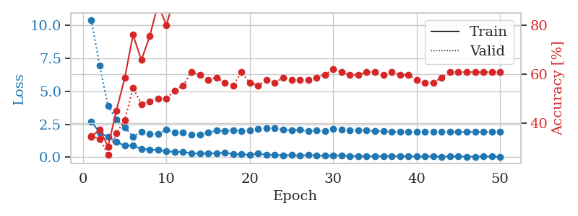
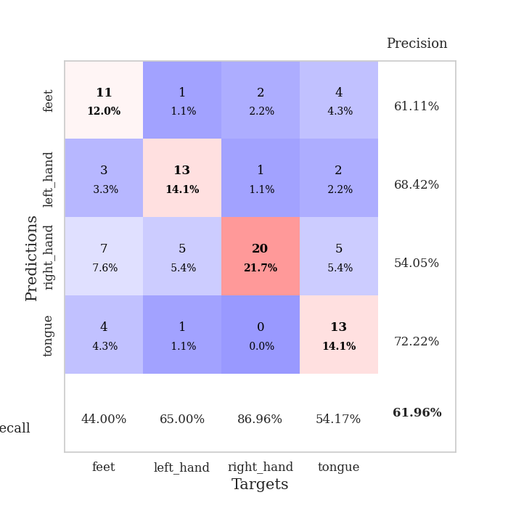
train_loss | valid_loss | train_accuracy | valid_accuracy | dur | train_misclass | valid_misclass
2.7225119114 | 10.415365592 | 0.34510869565 | 0.34782608696 | 0.035385131836 | 34.510869565 | 34.782608696
1.8645163059 | 6.9366488664 | 0.375 | 0.33695652174 | 0.034776210785 | 37.5 | 33.695652174
1.5532201529 | 3.8844177619 | 0.30434782609 | 0.27173913043 | 0.034228086472 | 30.434782609 | 27.173913043
1.1507065773 | 2.8772768456 | 0.45108695652 | 0.35869565217 | 0.033266544342 | 45.108695652 | 35.869565217
0.89310367107 | 2.2696532581 | 0.58423913043 | 0.41304347826 | 0.033544301987 | 58.423913043 | 41.304347826
0.88660643101 | 1.559832744 | 0.76086956522 | 0.54347826087 | 0.034423351288 | 76.086956522 | 54.347826087
0.64193187952 | 1.9463867208 | 0.65760869565 | 0.47826086957 | 0.034236192703 | 65.760869565 | 47.826086957
0.59310812354 | 1.7838055725 | 0.75543478261 | 0.48913043478 | 0.033447742462 | 75.543478261 | 48.913043478
0.55070059896 | 1.7436389664 | 0.88586956522 | 0.5 | 0.033279180527 | 88.586956522 | 50
0.45803487897 | 2.1135733439 | 0.79891304348 | 0.5 | 0.033270120621 | 79.891304348 | 50
0.40489117503 | 1.8693334745 | 0.92119565217 | 0.53260869565 | 0.03324174881 | 92.119565217 | 53.260869565
0.40380784869 | 1.8932786713 | 0.91847826087 | 0.55434782609 | 0.033187627792 | 91.847826087 | 55.434782609
0.31433704495 | 1.7321426039 | 0.94293478261 | 0.60869565217 | 0.033520936966 | 94.293478261 | 60.869565217
0.28247064948 | 1.7410254427 | 0.94565217391 | 0.59782608696 | 0.03395652771 | 94.565217391 | 59.782608696
0.31292537451 | 1.8575536116 | 0.94836956522 | 0.57608695652 | 0.033312797546 | 94.836956522 | 57.608695652
0.3023119539 | 2.0256962362 | 0.91847826087 | 0.58695652174 | 0.033255577087 | 91.847826087 | 58.695652174
0.34323004186 | 1.9896992911 | 0.91576086957 | 0.5652173913 | 0.033253669739 | 91.576086957 | 56.52173913
0.24130713344 | 2.0556494879 | 0.91576086957 | 0.55434782609 | 0.033244609833 | 91.576086957 | 55.434782609
0.21663240045 | 1.9647652274 | 0.98641304348 | 0.60869565217 | 0.03377366066 | 98.641304348 | 60.869565217
0.18617229089 | 2.0206868545 | 0.99456521739 | 0.5652173913 | 0.034377574921 | 99.456521739 | 56.52173913
0.27712365091 | 2.1257060818 | 0.98913043478 | 0.55434782609 | 0.033465862274 | 98.913043478 | 55.434782609
0.17677689642 | 2.2156203104 | 0.98641304348 | 0.57608695652 | 0.03339099884 | 98.641304348 | 57.608695652
0.17990391403 | 2.1841632283 | 0.98913043478 | 0.5652173913 | 0.033700704575 | 98.913043478 | 56.52173913
0.15444126874 | 2.0907474912 | 0.9972826087 | 0.58695652174 | 0.033362388611 | 99.72826087 | 58.695652174
0.1680749312 | 2.0371264064 | 0.99456521739 | 0.57608695652 | 0.033293008804 | 99.456521739 | 57.608695652
0.1093617931 | 2.0766131878 | 0.98913043478 | 0.57608695652 | 0.03334403038 | 98.913043478 | 57.608695652
0.18261668012 | 1.9631015736 | 0.9972826087 | 0.57608695652 | 0.033299207687 | 99.72826087 | 57.608695652
0.12462968379 | 2.0249379821 | 0.9972826087 | 0.58695652174 | 0.033229589462 | 99.72826087 | 58.695652174
0.13792339265 | 2.0045001299 | 1 | 0.59782608696 | 0.033093214035 | 100 | 59.782608696
0.13610374182 | 2.1349257905 | 1 | 0.61956521739 | 0.033244371414 | 100 | 61.956521739
0.15495294631 | 2.0996836994 | 0.9972826087 | 0.60869565217 | 0.034915685654 | 99.72826087 | 60.869565217
0.10151197985 | 2.0528419743 | 1 | 0.59782608696 | 0.033346891403 | 100 | 59.782608696
0.089327871799 | 2.0597552217 | 1 | 0.59782608696 | 0.033261060715 | 100 | 59.782608696
0.10023773387 | 2.0244211632 | 1 | 0.60869565217 | 0.033280134201 | 100 | 60.869565217
0.075474967062 | 2.001539645 | 1 | 0.60869565217 | 0.03343296051 | 100 | 60.869565217
0.10553565547 | 1.9702682806 | 1 | 0.59782608696 | 0.03329706192 | 100 | 59.782608696
0.1059889704 | 1.9370357368 | 1 | 0.60869565217 | 0.033256292343 | 100 | 60.869565217
0.093029463664 | 1.9273695013 | 1 | 0.59782608696 | 0.033183097839 | 100 | 59.782608696
0.080356368795 | 1.9153950111 | 1 | 0.59782608696 | 0.033198595047 | 100 | 59.782608696
0.059614999965 | 1.9126135163 | 1 | 0.57608695652 | 0.033268451691 | 100 | 57.608695652
0.056586464494 | 1.9124405695 | 1 | 0.5652173913 | 0.033651590347 | 100 | 56.52173913
0.085099793226 | 1.9110966973 | 1 | 0.5652173913 | 0.033385276794 | 100 | 56.52173913
0.051195753738 | 1.9117735054 | 1 | 0.58695652174 | 0.033254861832 | 100 | 58.695652174
0.066449528746 | 1.9142441957 | 1 | 0.60869565217 | 0.03330373764 | 100 | 60.869565217
0.067503233626 | 1.9179019202 | 1 | 0.60869565217 | 0.033301115036 | 100 | 60.869565217
0.049776590616 | 1.9253128923 | 1 | 0.60869565217 | 0.033195257187 | 100 | 60.869565217
0.051518970728 | 1.9297542365 | 1 | 0.60869565217 | 0.033273458481 | 100 | 60.869565217
0.066883105785 | 1.9271827366 | 1 | 0.60869565217 | 0.033209562302 | 100 | 60.869565217
0.056030890346 | 1.9218123788 | 1 | 0.60869565217 | 0.033277988434 | 100 | 60.869565217
0.039277939871 | 1.9254347345 | 1 | 0.60869565217 | 0.033343076706 | 100 | 60.869565217

Best Val accuracy is 0.6195652173913043 and Best test accuracy is 0.6379310344827587

Sheet9
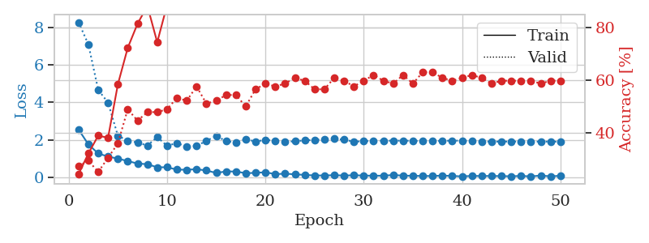
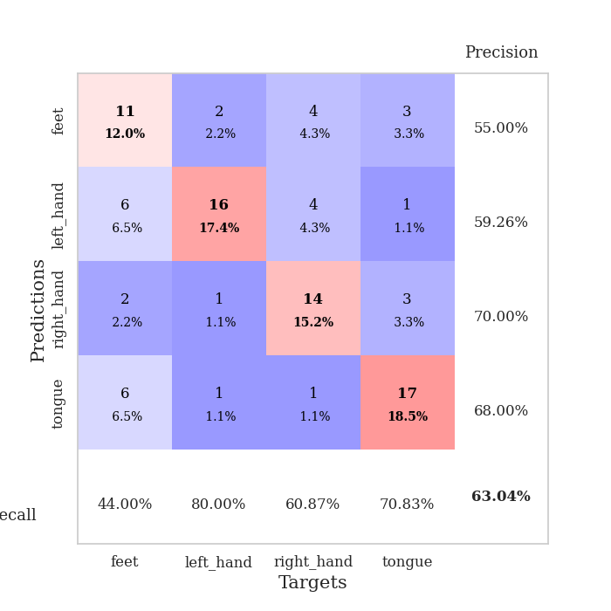
train_loss | valid_loss | train_accuracy | valid_accuracy | dur | train_misclass | valid_misclass
2.5482491732 | 8.283828528 | 0.24184782609 | 0.27173913043 | 0.034201145172 | 24.184782609 | 27.173913043
1.7533607483 | 7.1024536672 | 0.32065217391 | 0.29347826087 | 0.033572673798 | 32.065217391 | 29.347826087
1.2661931038 | 4.6675706532 | 0.38858695652 | 0.25 | 0.032655954361 | 38.858695652 | 25
1.102745831 | 3.9873024795 | 0.38043478261 | 0.30434782609 | 0.032338142395 | 38.043478261 | 30.434782609
0.99093641043 | 2.2129373032 | 0.58423913043 | 0.35869565217 | 0.033051729202 | 58.423913043 | 35.869565217
0.86246494055 | 1.957047478 | 0.72282608696 | 0.48913043478 | 0.033592224121 | 72.282608696 | 48.913043478
0.72834737301 | 1.8508847796 | 0.8152173913 | 0.44565217391 | 0.032919645309 | 81.52173913 | 44.565217391
0.69380682707 | 1.6917105239 | 0.88315217391 | 0.47826086957 | 0.032363414764 | 88.315217391 | 47.826086957
0.52728054523 | 2.1473064526 | 0.74456521739 | 0.47826086957 | 0.032193899155 | 74.456521739 | 47.826086957
0.53078625202 | 1.674409602 | 0.88586956522 | 0.48913043478 | 0.032212734222 | 88.586956522 | 48.913043478
0.40459712744 | 1.8272556067 | 0.90217391304 | 0.53260869565 | 0.032351016998 | 90.217391304 | 53.260869565
0.39681638479 | 1.6287511224 | 0.92391304348 | 0.52173913043 | 0.032762765884 | 92.391304348 | 52.173913043
0.42617353797 | 1.667566258 | 0.91304347826 | 0.57608695652 | 0.032377719879 | 91.304347826 | 57.608695652
0.35650854707 | 1.944127031 | 0.92663043478 | 0.51086956522 | 0.032556533813 | 92.663043478 | 51.086956522
0.2273495838 | 2.2056559998 | 0.9402173913 | 0.52173913043 | 0.032589435577 | 94.02173913 | 52.173913043
0.30681979656 | 1.9328950073 | 0.97554347826 | 0.54347826087 | 0.034534931183 | 97.554347826 | 54.347826087
0.30152231455 | 1.8436958583 | 0.98369565217 | 0.54347826087 | 0.033277511597 | 98.369565217 | 54.347826087
0.21282967031 | 2.0399651113 | 0.95380434783 | 0.5 | 0.032725334167 | 95.380434783 | 50
0.23074164391 | 1.902079888 | 0.99456521739 | 0.5652173913 | 0.032734870911 | 99.456521739 | 56.52173913
0.2643479228 | 1.996738128 | 0.98369565217 | 0.58695652174 | 0.032715559006 | 98.369565217 | 58.695652174
0.16145938188 | 1.9469219602 | 0.9972826087 | 0.57608695652 | 0.033601999283 | 99.72826087 | 57.608695652
0.18689571917 | 1.8862457327 | 0.98641304348 | 0.58695652174 | 0.032605648041 | 98.641304348 | 58.695652174
0.15280789286 | 1.9212643064 | 0.98097826087 | 0.60869565217 | 0.032491445541 | 98.097826087 | 60.869565217
0.11988736689 | 1.9664677796 | 0.99456521739 | 0.59782608696 | 0.034067869186 | 99.456521739 | 59.782608696
0.092400287092 | 1.9978244616 | 0.99456521739 | 0.5652173913 | 0.032689094543 | 99.456521739 | 56.52173913
0.089289431274 | 2.0200862159 | 1 | 0.5652173913 | 0.032656431198 | 100 | 56.52173913
0.10591463819 | 2.0528705587 | 0.99456521739 | 0.60869565217 | 0.032786846161 | 99.456521739 | 60.869565217
0.086701852083 | 2.0060116623 | 0.9972826087 | 0.59782608696 | 0.032627105713 | 99.72826087 | 59.782608696
0.10238352492 | 1.8972007399 | 1 | 0.57608695652 | 0.032499313354 | 100 | 57.608695652
0.08630355075 | 1.9256211986 | 1 | 0.59782608696 | 0.032585382462 | 100 | 59.782608696
0.075662842765 | 1.941438592 | 1 | 0.61956521739 | 0.032697439194 | 100 | 61.956521739
0.079896619916 | 1.9525326231 | 1 | 0.59782608696 | 0.033112764359 | 100 | 59.782608696
0.11396895945 | 1.9508046378 | 1 | 0.58695652174 | 0.032580375671 | 100 | 58.695652174
0.083111154288 | 1.9534361933 | 1 | 0.61956521739 | 0.032517671585 | 100 | 61.956521739
0.071575897187 | 1.9441954157 | 0.9972826087 | 0.58695652174 | 0.032687187195 | 99.72826087 | 58.695652174
0.065115753561 | 1.9339249238 | 0.9972826087 | 0.63043478261 | 0.032646417618 | 99.72826087 | 63.043478261
0.061584293842 | 1.9392557818 | 0.9972826087 | 0.63043478261 | 0.033491611481 | 99.72826087 | 63.043478261
0.084671904519 | 1.9408490554 | 1 | 0.60869565217 | 0.032585859299 | 100 | 60.869565217
0.064333990216 | 1.9546466962 | 1 | 0.59782608696 | 0.032578229904 | 100 | 59.782608696
0.043226606026 | 1.9496544548 | 1 | 0.60869565217 | 0.032508850098 | 100 | 60.869565217
0.067452102527 | 1.9247134717 | 1 | 0.61956521739 | 0.03257393837 | 100 | 61.956521739
0.060959286988 | 1.9101246181 | 1 | 0.60869565217 | 0.03259062767 | 100 | 60.869565217
0.065236969478 | 1.9028691779 | 1 | 0.58695652174 | 0.032658576965 | 100 | 58.695652174
0.056742259115 | 1.9048384013 | 1 | 0.59782608696 | 0.032653093338 | 100 | 59.782608696
0.048511894047 | 1.9038381266 | 1 | 0.59782608696 | 0.032608509064 | 100 | 59.782608696
0.066706425697 | 1.9043093246 | 1 | 0.59782608696 | 0.032631635666 | 100 | 59.782608696
0.04247391969 | 1.9026882493 | 1 | 0.59782608696 | 0.032467842102 | 100 | 59.782608696
0.084820099734 | 1.9017810096 | 1 | 0.58695652174 | 0.032550573349 | 100 | 58.695652174
0.047062057257 | 1.9014166023 | 1 | 0.59782608696 | 0.032627105713 | 100 | 59.782608696
0.073115022108 | 1.9017635999 | 1 | 0.59782608696 | 0.032524585724 | 100 | 59.782608696

Best Val accuracy is 0.6304347826086957 and Best test accuracy is 0.603448275862069

Sheet10
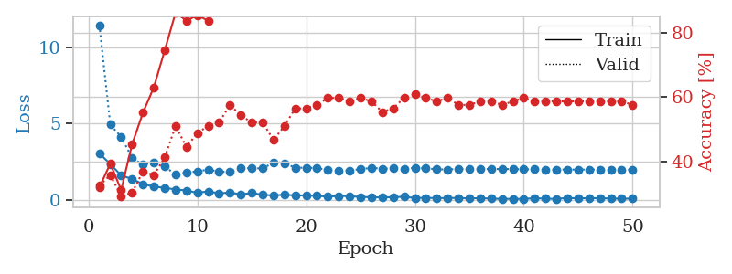
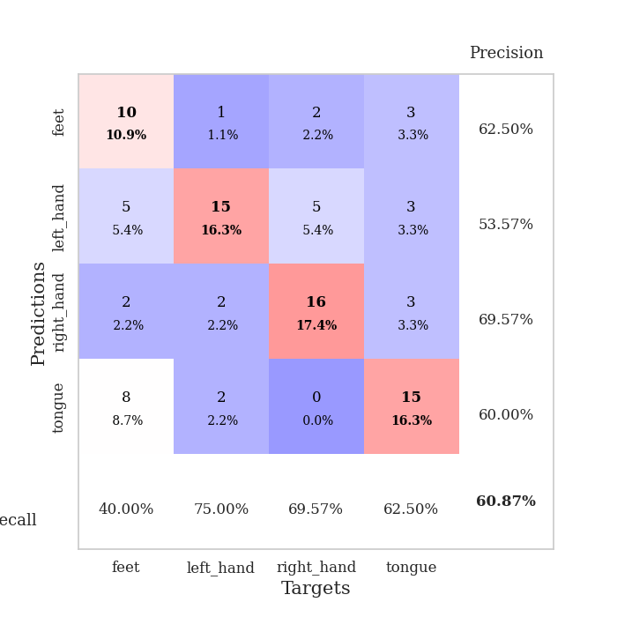
train_loss | valid_loss | train_accuracy | valid_accuracy | dur | train_misclass | valid_misclass
3.0393075705 | 11.472700741 | 0.32065217391 | 0.32608695652 | 0.035377264023 | 32.065217391 | 32.608695652
2.3368459225 | 4.9323220668 | 0.39402173913 | 0.35869565217 | 0.034030914307 | 39.402173913 | 35.869565217
1.5895698309 | 4.1273017241 | 0.3125 | 0.29347826087 | 0.033686876297 | 31.25 | 29.347826087
1.3550616026 | 2.7513764734 | 0.45380434783 | 0.30434782609 | 0.035194635391 | 45.380434783 | 30.434782609
1.0189767122 | 2.2854766742 | 0.55163043478 | 0.36956521739 | 0.032354354858 | 55.163043478 | 36.956521739
0.85212657452 | 2.454225281 | 0.63043478261 | 0.35869565217 | 0.032822132111 | 63.043478261 | 35.869565217
0.77857279778 | 2.1916710605 | 0.74456521739 | 0.41304347826 | 0.033977508545 | 74.456521739 | 41.304347826
0.66265513897 | 1.6371379935 | 0.86141304348 | 0.51086956522 | 0.035898685455 | 86.141304348 | 51.086956522
0.60129541755 | 1.7834780475 | 0.83695652174 | 0.44565217391 | 0.033894777298 | 83.695652174 | 44.565217391
0.44489477873 | 1.8587174727 | 0.85326086957 | 0.48913043478 | 0.034142255783 | 85.326086957 | 48.913043478
0.5423445195 | 1.9726547469 | 0.83695652174 | 0.51086956522 | 0.03354549408 | 83.695652174 | 51.086956522
0.41068581343 | 1.8392593861 | 0.91304347826 | 0.52173913043 | 0.034023046494 | 91.304347826 | 52.173913043
0.46761679649 | 1.8315693088 | 0.91032608696 | 0.57608695652 | 0.034124851227 | 91.032608696 | 57.608695652
0.34497368932 | 2.0771657177 | 0.91304347826 | 0.54347826087 | 0.03396487236 | 91.304347826 | 54.347826087
0.43258496523 | 2.0628455514 | 0.96739130435 | 0.52173913043 | 0.034093141556 | 96.739130435 | 52.173913043
0.321688959 | 2.0467832451 | 0.96195652174 | 0.52173913043 | 0.034018993378 | 96.195652174 | 52.173913043
0.27031039 | 2.4308975676 | 0.92934782609 | 0.46739130435 | 0.036077737808 | 92.934782609 | 46.739130435
0.32720187902 | 2.4019241644 | 0.94565217391 | 0.51086956522 | 0.033679485321 | 94.565217391 | 51.086956522
0.2721508801 | 2.0915041695 | 0.95652173913 | 0.5652173913 | 0.032893657684 | 95.652173913 | 56.52173913
0.28155778348 | 2.099974964 | 0.98913043478 | 0.5652173913 | 0.032801628113 | 98.913043478 | 56.52173913
0.24595965147 | 2.0710268954 | 0.97826086957 | 0.57608695652 | 0.032769441605 | 97.826086957 | 57.608695652
0.20087946653 | 1.9411491207 | 0.98369565217 | 0.59782608696 | 0.033134937286 | 98.369565217 | 59.782608696
0.23661158979 | 1.8922793036 | 0.97826086957 | 0.59782608696 | 0.03439283371 | 97.826086957 | 59.782608696
0.2282187134 | 1.919107489 | 0.97826086957 | 0.58695652174 | 0.032990455627 | 97.826086957 | 58.695652174
0.17338820398 | 1.9959436292 | 0.98913043478 | 0.59782608696 | 0.033000707626 | 98.913043478 | 59.782608696
0.15932541341 | 2.090410585 | 0.99456521739 | 0.58695652174 | 0.033089876175 | 99.456521739 | 58.695652174
0.14219602942 | 2.0290997236 | 0.9972826087 | 0.55434782609 | 0.033084869385 | 99.72826087 | 55.434782609
0.16216536313 | 2.0563089122 | 0.97826086957 | 0.5652173913 | 0.033146381378 | 97.826086957 | 56.52173913
0.18536067605 | 2.0293243242 | 0.99184782609 | 0.59782608696 | 0.03307723999 | 99.184782609 | 59.782608696
0.10709797442 | 2.0860938819 | 1 | 0.60869565217 | 0.033140182495 | 100 | 60.869565217
0.11977932304 | 2.0547602902 | 1 | 0.59782608696 | 0.034261226654 | 100 | 59.782608696
0.099312797189 | 1.9920717011 | 1 | 0.58695652174 | 0.032997131348 | 100 | 58.695652174
0.10813824385 | 1.9815692694 | 0.9972826087 | 0.59782608696 | 0.033077955246 | 99.72826087 | 59.782608696
0.11151203364 | 2.0113350619 | 1 | 0.57608695652 | 0.03312754631 | 100 | 57.608695652
0.0832157664 | 2.0134934135 | 0.9972826087 | 0.57608695652 | 0.033014774323 | 99.72826087 | 57.608695652
0.098243115097 | 2.0211017443 | 0.9972826087 | 0.58695652174 | 0.03310084343 | 99.72826087 | 58.695652174
0.065702547133 | 2.0104010416 | 1 | 0.58695652174 | 0.032927036285 | 100 | 58.695652174
0.052638237178 | 2.0128815381 | 1 | 0.57608695652 | 0.033047199249 | 100 | 57.608695652
0.051876275986 | 2.0033828694 | 1 | 0.58695652174 | 0.03316116333 | 100 | 58.695652174
0.04842290692 | 1.9901416716 | 1 | 0.59782608696 | 0.033030509949 | 100 | 59.782608696
0.096017756313 | 1.9863507437 | 1 | 0.58695652174 | 0.0332467556 | 100 | 58.695652174
0.063320932537 | 1.9823333388 | 1 | 0.58695652174 | 0.032991170883 | 100 | 58.695652174
0.049990943819 | 1.9795314022 | 1 | 0.58695652174 | 0.03306055069 | 100 | 58.695652174
0.11263853386 | 1.9755494698 | 1 | 0.58695652174 | 0.03301525116 | 100 | 58.695652174
0.083746992797 | 1.973877658 | 1 | 0.58695652174 | 0.033048868179 | 100 | 58.695652174
0.094970082492 | 1.9746420383 | 1 | 0.58695652174 | 0.033083677292 | 100 | 58.695652174
0.095707349479 | 1.9721400945 | 1 | 0.58695652174 | 0.033114433289 | 100 | 58.695652174
0.07314048484 | 1.9701680411 | 1 | 0.58695652174 | 0.032980918884 | 100 | 58.695652174
0.063675258309 | 1.9691238922 | 1 | 0.58695652174 | 0.033025741577 | 100 | 58.695652174
0.06498991102 | 1.9678037892 | 1 | 0.57608695652 | 0.033113241196 | 100 | 57.608695652

Best Val accuracy is 0.6086956521739131 and Best test accuracy is 0.5344827586206896

