Sheet
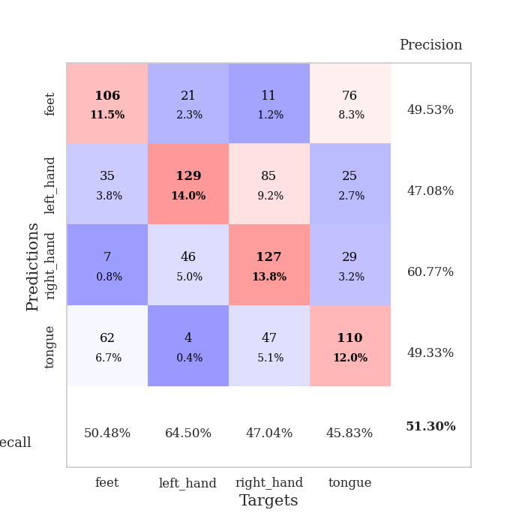
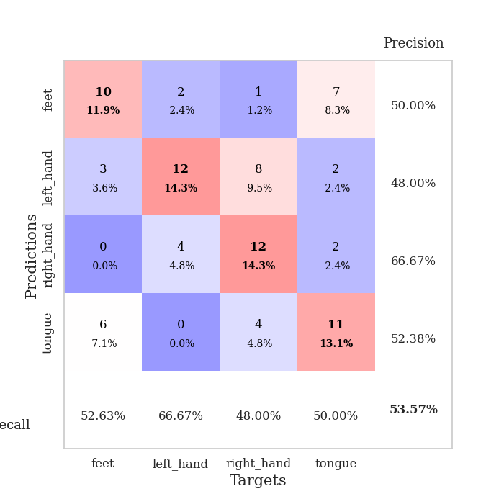
best_val_acc | best_val_los | best_test_acc
0.53260869565 | 1.9127742208 | 0.4224137931
0.55434782609 | 1.8510955624 | 0.45689655172
0.44565217391 | 1.7409812056 | 0.40517241379
0.5 | 1.8203170403 | 0.45689655172
0.53260869565 | 1.7897173218 | 0.43965517241
0.5 | 1.6205701102 | 0.43965517241
0.52173913043 | 1.814509454 | 0.45689655172
0.52173913043 | 1.7548823668 | 0.43103448276
0.52173913043 | 1.6541501284 | 0.40517241379
0.5 | 1.5697562487 | 0.43965517241

Mean,std Val accuracy is 0.5130434782608695 , 0.02934558946567622 and mean, std test accuracy is 0.43534482758620685 , 0.019595088645094634

Sheet1
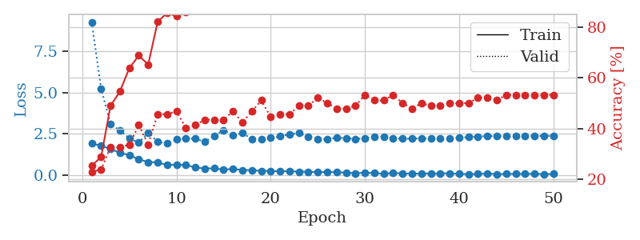
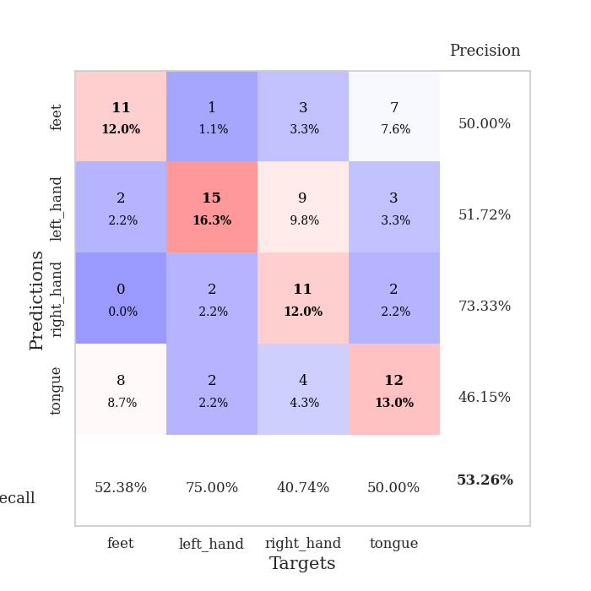
train_loss | valid_loss | train_accuracy | valid_accuracy | dur | train_misclass | valid_misclass
1.9200881243 | 9.2657293651 | 0.2527173913 | 0.22826086957 | 0.037865638733 | 25.27173913 | 22.826086957
1.7763966799 | 5.241814717 | 0.28804347826 | 0.23913043478 | 0.034024000168 | 28.804347826 | 23.913043478
1.5809281349 | 3.0927213586 | 0.48913043478 | 0.32608695652 | 0.033679485321 | 48.913043478 | 32.608695652
1.3533216119 | 2.7041239427 | 0.54619565217 | 0.32608695652 | 0.033116340637 | 54.619565217 | 32.608695652
1.2095938802 | 2.2215064816 | 0.63858695652 | 0.33695652174 | 0.032582759857 | 63.858695652 | 33.695652174
0.96235880852 | 1.9730609604 | 0.6875 | 0.41304347826 | 0.033961057663 | 68.75 | 41.304347826
0.79224882126 | 2.5668125049 | 0.65217391304 | 0.33695652174 | 0.034013271332 | 65.217391304 | 33.695652174
0.77569522858 | 2.0267406858 | 0.82065217391 | 0.45652173913 | 0.034016132355 | 82.065217391 | 45.652173913
0.61819401383 | 1.9127742208 | 0.85597826087 | 0.45652173913 | 0.034382581711 | 85.597826087 | 45.652173913
0.63540891409 | 2.1561094678 | 0.84239130435 | 0.46739130435 | 0.032872676849 | 84.239130435 | 46.739130435
0.61569108963 | 2.2168151918 | 0.85869565217 | 0.40217391304 | 0.033255338669 | 85.869565217 | 40.217391304
0.46673554182 | 2.2060997797 | 0.88043478261 | 0.41304347826 | 0.032873153687 | 88.043478261 | 41.304347826
0.40521541834 | 2.0130389981 | 0.9402173913 | 0.4347826087 | 0.032848119736 | 94.02173913 | 43.47826087
0.40996879339 | 2.3630882139 | 0.94565217391 | 0.4347826087 | 0.034829139709 | 94.565217391 | 43.47826087
0.33536807895 | 2.724129936 | 0.91576086957 | 0.4347826087 | 0.0328104496 | 91.576086957 | 43.47826087
0.37870782316 | 2.4156611691 | 0.95380434783 | 0.46739130435 | 0.032516241074 | 95.380434783 | 46.739130435
0.30941913128 | 2.5563948051 | 0.9402173913 | 0.42391304348 | 0.032458543777 | 94.02173913 | 42.391304348
0.30970084369 | 2.184443422 | 0.96739130435 | 0.46739130435 | 0.032518148422 | 96.739130435 | 46.739130435
0.25331239402 | 2.1753790482 | 0.98369565217 | 0.51086956522 | 0.032747983932 | 98.369565217 | 51.086956522
0.25530411005 | 2.249876012 | 0.97826086957 | 0.44565217391 | 0.033734560013 | 97.826086957 | 44.565217391
0.23334681094 | 2.3484578962 | 0.99184782609 | 0.45652173913 | 0.034280061722 | 99.184782609 | 45.652173913
0.23593558669 | 2.4751499321 | 0.99456521739 | 0.45652173913 | 0.032810688019 | 99.456521739 | 45.652173913
0.21531209946 | 2.5403005662 | 0.98641304348 | 0.48913043478 | 0.032872438431 | 98.641304348 | 48.913043478
0.20333299041 | 2.3286681797 | 0.99456521739 | 0.48913043478 | 0.032908678055 | 99.456521739 | 48.913043478
0.17833600938 | 2.1971796388 | 0.99184782609 | 0.52173913043 | 0.033025741577 | 99.184782609 | 52.173913043
0.19036860764 | 2.1922520866 | 0.9972826087 | 0.5 | 0.034240245819 | 99.72826087 | 50
0.17900726497 | 2.2601345726 | 0.9972826087 | 0.47826086957 | 0.03328537941 | 99.72826087 | 47.826086957
0.15193575323 | 2.2448845946 | 1 | 0.47826086957 | 0.033248901367 | 100 | 47.826086957
0.11681972295 | 2.199223394 | 1 | 0.48913043478 | 0.033187866211 | 100 | 48.913043478
0.1519442305 | 2.2375770133 | 1 | 0.53260869565 | 0.033196210861 | 100 | 53.260869565
0.12713018358 | 2.3094485221 | 0.9972826087 | 0.51086956522 | 0.033427476883 | 99.72826087 | 51.086956522
0.083261051029 | 2.3285582377 | 1 | 0.51086956522 | 0.033205986023 | 100 | 51.086956522
0.13201676309 | 2.2447836192 | 1 | 0.53260869565 | 0.03324508667 | 100 | 53.260869565
0.10205388963 | 2.199829993 | 1 | 0.5 | 0.033148527145 | 100 | 50
0.090361466631 | 2.2133602578 | 1 | 0.47826086957 | 0.033160686493 | 100 | 47.826086957
0.093801982701 | 2.2269821996 | 1 | 0.5 | 0.033271312714 | 100 | 50
0.10006774291 | 2.2190035944 | 1 | 0.48913043478 | 0.033433914185 | 100 | 48.913043478
0.097215567529 | 2.22170468 | 1 | 0.48913043478 | 0.033368825912 | 100 | 48.913043478
0.11578622162 | 2.2356094796 | 1 | 0.5 | 0.033137798309 | 100 | 50
0.073892026022 | 2.2656118351 | 1 | 0.5 | 0.033313989639 | 100 | 50
0.065677828342 | 2.2998330697 | 1 | 0.5 | 0.033232688904 | 100 | 50
0.070509573817 | 2.3414421393 | 1 | 0.52173913043 | 0.033083677292 | 100 | 52.173913043
0.096321175247 | 2.363181249 | 1 | 0.52173913043 | 0.033119916916 | 100 | 52.173913043
0.058625785261 | 2.3735265421 | 1 | 0.51086956522 | 0.033195734024 | 100 | 51.086956522
0.077258112282 | 2.3737856305 | 1 | 0.53260869565 | 0.033234119415 | 100 | 53.260869565
0.077156772465 | 2.3711243609 | 1 | 0.53260869565 | 0.033104419708 | 100 | 53.260869565
0.075752359629 | 2.3735600451 | 1 | 0.53260869565 | 0.035056352615 | 100 | 53.260869565
0.082120410353 | 2.3786041633 | 1 | 0.53260869565 | 0.033197641373 | 100 | 53.260869565
0.066266152263 | 2.3771535003 | 1 | 0.53260869565 | 0.033646821976 | 100 | 53.260869565
0.070232547447 | 2.3782398597 | 1 | 0.53260869565 | 0.033140897751 | 100 | 53.260869565

Best Val accuracy is 0.532608695652174 and Best test accuracy is 0.4224137931034483

Sheet2
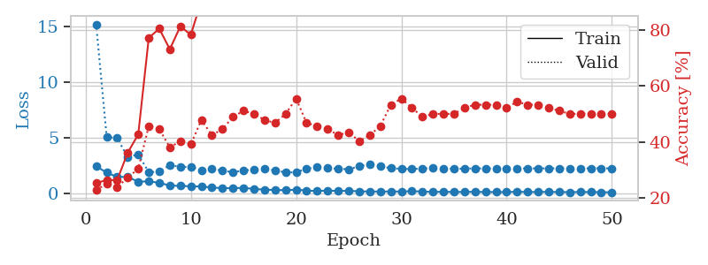
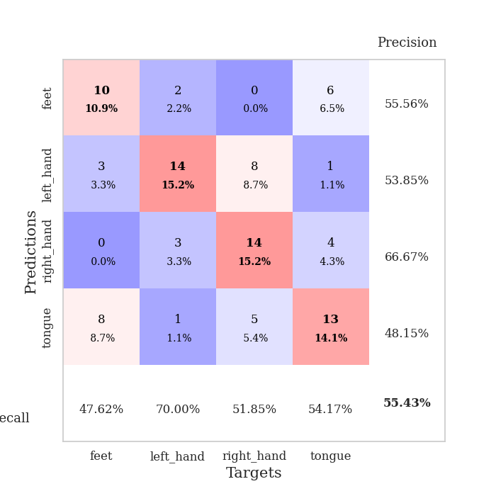
train_loss | valid_loss | train_accuracy | valid_accuracy | dur | train_misclass | valid_misclass
2.4135897636 | 15.167933754 | 0.2527173913 | 0.22826086957 | 0.034749507904 | 25.27173913 | 22.826086957
1.8314746857 | 5.0494730369 | 0.26358695652 | 0.25 | 0.034022331238 | 26.358695652 | 25
1.4509650469 | 4.9311882309 | 0.26358695652 | 0.23913043478 | 0.033931016922 | 26.358695652 | 23.913043478
1.4439840555 | 3.2240798162 | 0.36141304348 | 0.27173913043 | 0.035645961761 | 36.141304348 | 27.173913043
1.0206855059 | 3.478787671 | 0.42663043478 | 0.30434782609 | 0.034006357193 | 42.663043478 | 30.434782609
1.0463605165 | 1.8725828606 | 0.77173913043 | 0.45652173913 | 0.033986091614 | 77.173913043 | 45.652173913
0.9237563014 | 1.918879198 | 0.80434782609 | 0.44565217391 | 0.033929824829 | 80.434782609 | 44.565217391
0.66803418398 | 2.5099187105 | 0.73097826087 | 0.38043478261 | 0.034784078598 | 73.097826087 | 38.043478261
0.63893586397 | 2.3542498506 | 0.8125 | 0.40217391304 | 0.035842180252 | 81.25 | 40.217391304
0.6038964808 | 2.3388567696 | 0.78260869565 | 0.39130434783 | 0.033448696136 | 78.260869565 | 39.130434783
0.58736975193 | 2.0585118273 | 0.90489130435 | 0.47826086957 | 0.033438682556 | 90.489130435 | 47.826086957
0.49350857735 | 2.2125356612 | 0.89130434783 | 0.42391304348 | 0.033760309219 | 89.130434783 | 42.391304348
0.4337217629 | 1.9948710255 | 0.94565217391 | 0.44565217391 | 0.033701658249 | 94.565217391 | 44.565217391
0.44117609262 | 1.8826429118 | 0.9347826087 | 0.48913043478 | 0.033136367798 | 93.47826087 | 48.913043478
0.45655272603 | 2.0032521745 | 0.9375 | 0.51086956522 | 0.03390955925 | 93.75 | 51.086956522
0.37340785563 | 2.1224627184 | 0.97010869565 | 0.5 | 0.033989429474 | 97.010869565 | 50
0.29495503604 | 2.1708104196 | 0.97826086957 | 0.47826086957 | 0.033775568008 | 97.826086957 | 47.826086957
0.2801620394 | 2.0379276483 | 0.98641304348 | 0.46739130435 | 0.033935785294 | 98.641304348 | 46.739130435
0.24718612432 | 1.8510955624 | 0.98097826087 | 0.5 | 0.033897399902 | 98.097826087 | 50
0.29890669435 | 1.8589833094 | 0.98369565217 | 0.55434782609 | 0.033779859543 | 98.369565217 | 55.434782609
0.22946678996 | 2.1840624084 | 0.98097826087 | 0.46739130435 | 0.03388094902 | 98.097826087 | 46.739130435
0.16870170236 | 2.3292563895 | 0.98641304348 | 0.45652173913 | 0.03373503685 | 98.641304348 | 45.652173913
0.22185890377 | 2.2467876414 | 0.98369565217 | 0.44565217391 | 0.033670902252 | 98.369565217 | 44.565217391
0.18161774874 | 2.1698357852 | 0.99184782609 | 0.42391304348 | 0.033777952194 | 99.184782609 | 42.391304348
0.20154167563 | 2.1392232128 | 0.98913043478 | 0.4347826087 | 0.033739805222 | 98.913043478 | 43.47826087
0.14624186456 | 2.4078029446 | 0.9972826087 | 0.40217391304 | 0.033792972565 | 99.72826087 | 40.217391304
0.14064245969 | 2.588862077 | 0.98913043478 | 0.42391304348 | 0.03328037262 | 98.913043478 | 42.391304348
0.12810926288 | 2.4097922885 | 0.99456521739 | 0.45652173913 | 0.032825231552 | 99.456521739 | 45.652173913
0.14001755565 | 2.2252768745 | 0.99456521739 | 0.53260869565 | 0.032927513123 | 99.456521739 | 53.260869565
0.13176757395 | 2.1723705997 | 1 | 0.55434782609 | 0.032806158066 | 100 | 55.434782609
0.1595921278 | 2.1527174556 | 1 | 0.52173913043 | 0.033227443695 | 100 | 52.173913043
0.13565677702 | 2.2096041907 | 1 | 0.48913043478 | 0.03294968605 | 100 | 48.913043478
0.092367628217 | 2.2249561185 | 1 | 0.5 | 0.032715559006 | 100 | 50
0.11536335871 | 2.2002158787 | 0.9972826087 | 0.5 | 0.032858371735 | 99.72826087 | 50
0.09048447758 | 2.1802818257 | 1 | 0.5 | 0.033863782883 | 100 | 50
0.10222556591 | 2.1952356463 | 1 | 0.52173913043 | 0.032732009888 | 100 | 52.173913043
0.10447022617 | 2.2140471106 | 1 | 0.53260869565 | 0.033480644226 | 100 | 53.260869565
0.093292763829 | 2.2089198776 | 1 | 0.53260869565 | 0.033265590668 | 100 | 53.260869565
0.08370269984 | 2.212575021 | 1 | 0.53260869565 | 0.033788204193 | 100 | 53.260869565
0.081337170303 | 2.207469256 | 1 | 0.52173913043 | 0.033165454865 | 100 | 52.173913043
0.11558401734 | 2.2115301257 | 1 | 0.54347826087 | 0.033752202988 | 100 | 54.347826087
0.087395281345 | 2.2109705676 | 1 | 0.53260869565 | 0.033785581589 | 100 | 53.260869565
0.096863523126 | 2.2184148768 | 1 | 0.53260869565 | 0.033753633499 | 100 | 53.260869565
0.09915144667 | 2.2179703194 | 1 | 0.52173913043 | 0.033796548843 | 100 | 52.173913043
0.08987961486 | 2.2171344239 | 1 | 0.51086956522 | 0.033711671829 | 100 | 51.086956522
0.07913903892 | 2.2185361904 | 1 | 0.5 | 0.036138057709 | 100 | 50
0.09147041887 | 2.2181419601 | 1 | 0.5 | 0.033556461334 | 100 | 50
0.085027682781 | 2.2184803693 | 1 | 0.5 | 0.03367638588 | 100 | 50
0.077538567781 | 2.2198898274 | 1 | 0.5 | 0.033749103546 | 100 | 50
0.060475255176 | 2.2195983866 | 1 | 0.5 | 0.033839225769 | 100 | 50

Best Val accuracy is 0.5543478260869565 and Best test accuracy is 0.45689655172413796

Sheet3
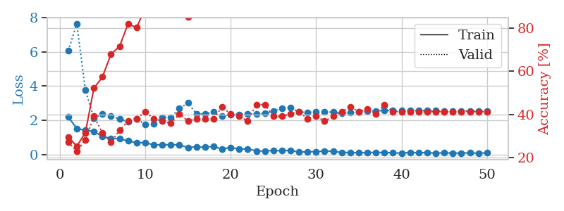
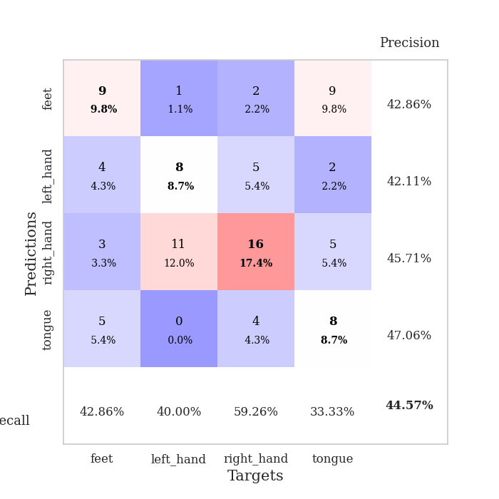
train_loss | valid_loss | train_accuracy | valid_accuracy | dur | train_misclass | valid_misclass
2.1901623487 | 6.0658295051 | 0.29619565217 | 0.27173913043 | 0.034900188446 | 29.619565217 | 27.173913043
1.5235703707 | 7.6360040333 | 0.2527173913 | 0.22826086957 | 0.034250974655 | 25.27173913 | 22.826086957
1.409971261 | 3.7745449336 | 0.3152173913 | 0.28260869565 | 0.034001588821 | 31.52173913 | 28.260869565
1.3604466438 | 2.1310079823 | 0.52173913043 | 0.39130434783 | 0.032742738724 | 52.173913043 | 39.130434783
1.0463662505 | 2.3642272846 | 0.57336956522 | 0.3152173913 | 0.034039735794 | 57.336956522 | 31.52173913
0.9511615634 | 2.2342393606 | 0.67934782609 | 0.27173913043 | 0.032944202423 | 67.934782609 | 27.173913043
0.91968531609 | 2.0784358149 | 0.71467391304 | 0.32608695652 | 0.032907009125 | 71.467391304 | 32.608695652
0.79866677523 | 1.8997067369 | 0.82065217391 | 0.36956521739 | 0.032961606979 | 82.065217391 | 36.956521739
0.68533929586 | 2.0905956911 | 0.80163043478 | 0.38043478261 | 0.033100366592 | 80.163043478 | 38.043478261
0.69806514978 | 1.7409812056 | 0.89402173913 | 0.41304347826 | 0.032947301865 | 89.402173913 | 41.304347826
0.56058717966 | 1.7860470025 | 0.89402173913 | 0.38043478261 | 0.034430503845 | 89.402173913 | 38.043478261
0.56780815125 | 2.185056334 | 0.86956521739 | 0.36956521739 | 0.033533096313 | 86.956521739 | 36.956521739
0.57448199987 | 2.158560701 | 0.93206521739 | 0.35869565217 | 0.032473802567 | 93.206521739 | 35.869565217
0.56326921582 | 2.6891158249 | 0.88586956522 | 0.40217391304 | 0.033496141434 | 88.586956522 | 40.217391304
0.40815885067 | 3.0108310036 | 0.85054347826 | 0.36956521739 | 0.03253364563 | 85.054347826 | 36.956521739
0.4512883693 | 2.3839727381 | 0.95923913043 | 0.38043478261 | 0.032842636108 | 95.923913043 | 38.043478261
0.42136862278 | 2.3601435578 | 0.9402173913 | 0.38043478261 | 0.033976078033 | 94.02173913 | 38.043478261
0.47882714868 | 2.4972688426 | 0.9375 | 0.38043478261 | 0.033025741577 | 93.75 | 38.043478261
0.30869545043 | 2.2394631116 | 0.95380434783 | 0.4347826087 | 0.034152746201 | 95.380434783 | 43.47826087
0.41809809208 | 2.329179204 | 0.96195652174 | 0.40217391304 | 0.033469200134 | 96.195652174 | 40.217391304
0.32280562222 | 2.3218253384 | 0.98097826087 | 0.39130434783 | 0.033967256546 | 98.097826087 | 39.130434783
0.32675037086 | 2.3910078795 | 0.98369565217 | 0.36956521739 | 0.032692909241 | 98.369565217 | 36.956521739
0.21330511421 | 2.3669305781 | 0.98097826087 | 0.44565217391 | 0.034092903137 | 98.097826087 | 44.565217391
0.20485254973 | 2.3932317547 | 0.98913043478 | 0.44565217391 | 0.034117698669 | 98.913043478 | 44.565217391
0.23823655546 | 2.5200810432 | 0.99456521739 | 0.39130434783 | 0.032548904419 | 99.456521739 | 39.130434783
0.21780828536 | 2.7156223422 | 0.99184782609 | 0.39130434783 | 0.03408741951 | 99.184782609 | 39.130434783
0.24682370424 | 2.7248971566 | 0.9972826087 | 0.40217391304 | 0.03413939476 | 99.72826087 | 40.217391304
0.14072076082 | 2.4897871536 | 1 | 0.41304347826 | 0.033148050308 | 100 | 41.304347826
0.16387704536 | 2.4479114387 | 1 | 0.38043478261 | 0.033706665039 | 100 | 38.043478261
0.17073102295 | 2.5014778427 | 1 | 0.39130434783 | 0.032685041428 | 100 | 39.130434783
0.20786141157 | 2.481127542 | 1 | 0.36956521739 | 0.033723592758 | 100 | 36.956521739
0.19077946246 | 2.4767626576 | 1 | 0.39130434783 | 0.03476524353 | 100 | 39.130434783
0.11502600759 | 2.4312168308 | 1 | 0.41304347826 | 0.032684087753 | 100 | 41.304347826
0.11845873594 | 2.4413786245 | 1 | 0.4347826087 | 0.034650564194 | 100 | 43.47826087
0.09929093942 | 2.4949017504 | 1 | 0.41304347826 | 0.034106492996 | 100 | 41.304347826
0.11694761366 | 2.5324807582 | 1 | 0.42391304348 | 0.034156799316 | 100 | 42.391304348
0.12431243211 | 2.5521719559 | 1 | 0.40217391304 | 0.033762693405 | 100 | 40.217391304
0.11491435468 | 2.5745393297 | 1 | 0.44565217391 | 0.033493995667 | 100 | 44.565217391
0.10884089097 | 2.5667262181 | 1 | 0.41304347826 | 0.033475637436 | 100 | 41.304347826
0.06867113784 | 2.5679652484 | 1 | 0.41304347826 | 0.034336328506 | 100 | 41.304347826
0.13044587746 | 2.5666749477 | 1 | 0.41304347826 | 0.032690048218 | 100 | 41.304347826
0.094762188941 | 2.5663813819 | 1 | 0.41304347826 | 0.034135341644 | 100 | 41.304347826
0.12079904079 | 2.5646312548 | 1 | 0.41304347826 | 0.03472495079 | 100 | 41.304347826
0.076725640893 | 2.5642513089 | 1 | 0.41304347826 | 0.034104585648 | 100 | 41.304347826
0.10277469829 | 2.5544490711 | 1 | 0.41304347826 | 0.034115076065 | 100 | 41.304347826
0.081981293112 | 2.554547994 | 1 | 0.41304347826 | 0.03441619873 | 100 | 41.304347826
0.085886114836 | 2.5528889843 | 1 | 0.41304347826 | 0.034128665924 | 100 | 41.304347826
0.096470627189 | 2.5498542889 | 1 | 0.41304347826 | 0.034304618835 | 100 | 41.304347826
0.072662298381 | 2.5490932776 | 1 | 0.41304347826 | 0.033435583115 | 100 | 41.304347826
0.10350012481 | 2.5486430915 | 1 | 0.41304347826 | 0.034091949463 | 100 | 41.304347826

Best Val accuracy is 0.44565217391304346 and Best test accuracy is 0.4051724137931034

Sheet4
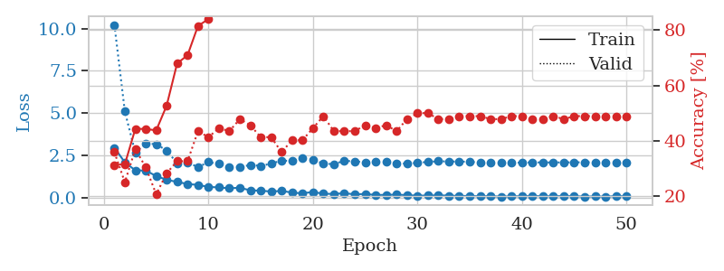
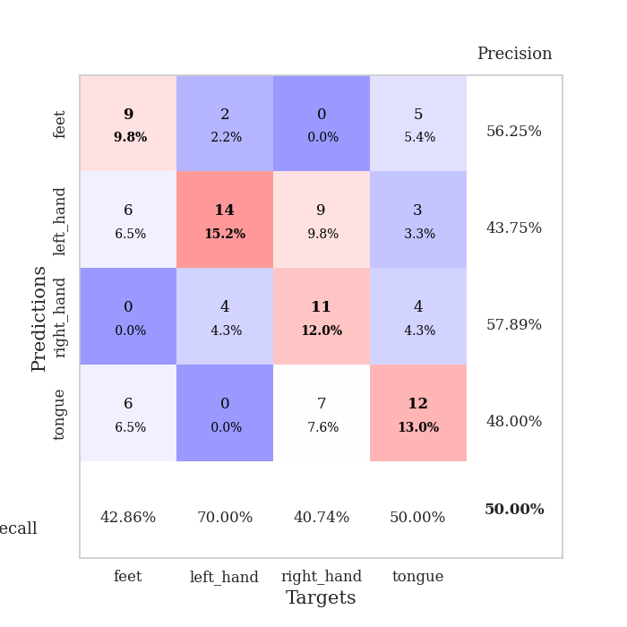
train_loss | valid_loss | train_accuracy | valid_accuracy | dur | train_misclass | valid_misclass
2.9627273321 | 10.219096889 | 0.3125 | 0.35869565217 | 0.034112930298 | 31.25 | 35.869565217
2.1024851799 | 5.1014195732 | 0.3152173913 | 0.25 | 0.033293962479 | 31.52173913 | 25
1.6307765245 | 2.6752781557 | 0.44293478261 | 0.36956521739 | 0.033269643784 | 44.293478261 | 36.956521739
1.6177925348 | 3.2215591721 | 0.44293478261 | 0.30434782609 | 0.033232927322 | 44.293478261 | 30.434782609
1.2917671204 | 3.1723899738 | 0.4375 | 0.20652173913 | 0.032603979111 | 43.75 | 20.652173913
1.0711816549 | 2.8039749291 | 0.52717391304 | 0.28260869565 | 0.032223463058 | 52.717391304 | 28.260869565
0.94756962061 | 2.0491369496 | 0.67934782609 | 0.32608695652 | 0.032255411148 | 67.934782609 | 32.608695652
0.82514986992 | 2.098214533 | 0.70923913043 | 0.32608695652 | 0.032325744629 | 70.923913043 | 32.608695652
0.76939008236 | 1.8203170403 | 0.8152173913 | 0.4347826087 | 0.032199621201 | 81.52173913 | 43.47826087
0.65248152614 | 2.117010977 | 0.83967391304 | 0.41304347826 | 0.033488273621 | 83.967391304 | 41.304347826
0.62072595358 | 2.0068402705 | 0.875 | 0.44565217391 | 0.032268047333 | 87.5 | 44.565217391
0.56851673126 | 1.836566925 | 0.93206521739 | 0.4347826087 | 0.033000946045 | 93.206521739 | 43.47826087
0.60560410023 | 1.8299544583 | 0.94565217391 | 0.47826086957 | 0.032651185989 | 94.565217391 | 47.826086957
0.44698249698 | 1.9425013273 | 0.94836956522 | 0.45652173913 | 0.032809257507 | 94.836956522 | 45.652173913
0.4317116797 | 1.8966777532 | 0.9402173913 | 0.41304347826 | 0.032471656799 | 94.02173913 | 41.304347826
0.37697853446 | 2.0220443166 | 0.94293478261 | 0.41304347826 | 0.03250169754 | 94.293478261 | 41.304347826
0.41637712121 | 2.2128281179 | 0.97554347826 | 0.35869565217 | 0.03440785408 | 97.554347826 | 35.869565217
0.31578199863 | 2.1756422623 | 0.98913043478 | 0.40217391304 | 0.032923221588 | 98.913043478 | 40.217391304
0.27307815254 | 2.3555986156 | 0.95652173913 | 0.40217391304 | 0.032535791397 | 95.652173913 | 40.217391304
0.35332589746 | 2.2682462983 | 0.97554347826 | 0.44565217391 | 0.032712697983 | 97.554347826 | 44.565217391
0.24811530709 | 2.0153334763 | 0.96467391304 | 0.48913043478 | 0.032659769058 | 96.467391304 | 48.913043478
0.23830360472 | 2.0041864437 | 0.97554347826 | 0.4347826087 | 0.033530950546 | 97.554347826 | 43.47826087
0.27979972064 | 2.1941606169 | 0.98913043478 | 0.4347826087 | 0.032596111298 | 98.913043478 | 43.47826087
0.21363832057 | 2.1573654672 | 0.98913043478 | 0.4347826087 | 0.032538414001 | 98.913043478 | 43.47826087
0.23671281338 | 2.1123072375 | 0.9972826087 | 0.45652173913 | 0.032594203949 | 99.72826087 | 45.652173913
0.1718847841 | 2.1273761418 | 0.99184782609 | 0.44565217391 | 0.032636880875 | 99.184782609 | 44.565217391
0.18205434382 | 2.1321726467 | 0.98913043478 | 0.45652173913 | 0.032506465912 | 98.913043478 | 45.652173913
0.19393186271 | 2.0556631296 | 0.9972826087 | 0.4347826087 | 0.034501791 | 99.72826087 | 43.47826087
0.16716345847 | 2.0222826211 | 0.9972826087 | 0.47826086957 | 0.032608509064 | 99.72826087 | 47.826086957
0.13243175149 | 2.0780109634 | 1 | 0.5 | 0.032334566116 | 100 | 50
0.143950665 | 2.1240372243 | 1 | 0.5 | 0.032572984695 | 100 | 50
0.15189616829 | 2.1667565574 | 0.9972826087 | 0.47826086957 | 0.032328605652 | 99.72826087 | 47.826086957
0.13889760077 | 2.1522775111 | 0.9972826087 | 0.47826086957 | 0.032700061798 | 99.72826087 | 47.826086957
0.11411757171 | 2.1521097992 | 1 | 0.48913043478 | 0.032614946365 | 100 | 48.913043478
0.12066031843 | 2.1325395833 | 1 | 0.48913043478 | 0.032448530197 | 100 | 48.913043478
0.094005233049 | 2.0978288029 | 1 | 0.48913043478 | 0.032579660416 | 100 | 48.913043478
0.10967481434 | 2.0604105721 | 1 | 0.47826086957 | 0.032464981079 | 100 | 47.826086957
0.074103458226 | 2.0628628316 | 1 | 0.47826086957 | 0.032477378845 | 100 | 47.826086957
0.097755423188 | 2.0688738097 | 1 | 0.48913043478 | 0.032552719116 | 100 | 48.913043478
0.10127058178 | 2.0912694309 | 1 | 0.48913043478 | 0.032540559769 | 100 | 48.913043478
0.11481826678 | 2.0976224257 | 1 | 0.47826086957 | 0.032503604889 | 100 | 47.826086957
0.1033275187 | 2.098121415 | 1 | 0.47826086957 | 0.032539606094 | 100 | 47.826086957
0.10279929787 | 2.0943411019 | 1 | 0.48913043478 | 0.032579898834 | 100 | 48.913043478
0.1135376431 | 2.1002235413 | 1 | 0.47826086957 | 0.032546281815 | 100 | 47.826086957
0.1022196129 | 2.1016457081 | 1 | 0.48913043478 | 0.032549381256 | 100 | 48.913043478
0.080761411041 | 2.1056187464 | 1 | 0.48913043478 | 0.032557249069 | 100 | 48.913043478
0.089470602572 | 2.107813037 | 1 | 0.48913043478 | 0.032512426376 | 100 | 48.913043478
0.076110439003 | 2.1103019092 | 1 | 0.48913043478 | 0.032542228699 | 100 | 48.913043478
0.10848591998 | 2.1114808995 | 1 | 0.48913043478 | 0.032551050186 | 100 | 48.913043478
0.096702866256 | 2.1081627037 | 1 | 0.48913043478 | 0.032515764236 | 100 | 48.913043478

Best Val accuracy is 0.5 and Best test accuracy is 0.45689655172413796

Sheet5
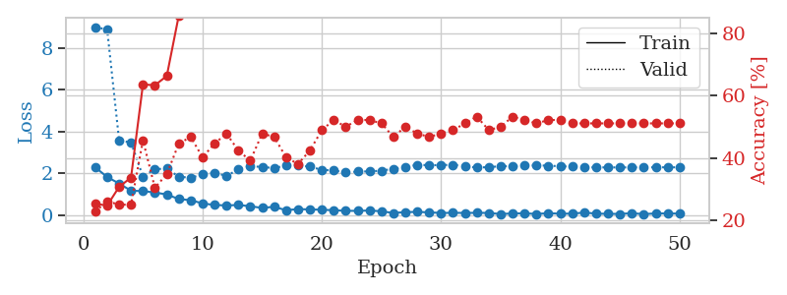
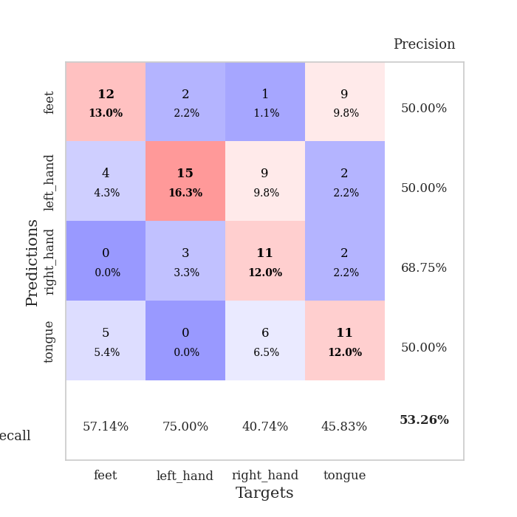
train_loss | valid_loss | train_accuracy | valid_accuracy | dur | train_misclass | valid_misclass
2.2870334864 | 8.9872631819 | 0.2527173913 | 0.22826086957 | 0.034559726715 | 25.27173913 | 22.826086957
1.8256926775 | 8.8674358285 | 0.2472826087 | 0.26086956522 | 0.033089876175 | 24.72826087 | 26.086956522
1.5146010876 | 3.5764923303 | 0.30706521739 | 0.25 | 0.033084392548 | 30.706521739 | 25
1.1720675468 | 3.4707918271 | 0.33695652174 | 0.25 | 0.032337903976 | 33.695652174 | 25
1.1535229802 | 1.8443325395 | 0.63586956522 | 0.45652173913 | 0.032201766968 | 63.586956522 | 45.652173913
1.0850893617 | 2.2013261526 | 0.63315217391 | 0.30434782609 | 0.032882928848 | 63.315217391 | 30.434782609
0.99250627756 | 2.2272229609 | 0.66304347826 | 0.34782608696 | 0.032336950302 | 66.304347826 | 34.782608696
0.7740197897 | 1.8413788858 | 0.85597826087 | 0.44565217391 | 0.032290458679 | 85.597826087 | 44.565217391
0.71860491037 | 1.7897173218 | 0.89673913043 | 0.46739130435 | 0.032309532166 | 89.673913043 | 46.739130435
0.56535947919 | 1.9454513011 | 0.89945652174 | 0.40217391304 | 0.032902956009 | 89.945652174 | 40.217391304
0.49003659189 | 2.0264781662 | 0.91032608696 | 0.44565217391 | 0.032279729843 | 91.032608696 | 44.565217391
0.46938841939 | 1.8807025267 | 0.95652173913 | 0.47826086957 | 0.032366275787 | 95.652173913 | 47.826086957
0.48877045512 | 2.184300319 | 0.92934782609 | 0.42391304348 | 0.032610654831 | 92.934782609 | 42.391304348
0.43145201206 | 2.3479415023 | 0.94293478261 | 0.39130434783 | 0.032351970673 | 94.293478261 | 39.130434783
0.3477637738 | 2.3007828256 | 0.94836956522 | 0.47826086957 | 0.032233476639 | 94.836956522 | 47.826086957
0.40646672845 | 2.2547991587 | 0.98369565217 | 0.46739130435 | 0.032376527786 | 98.369565217 | 46.739130435
0.23730659485 | 2.37151516 | 0.97010869565 | 0.40217391304 | 0.032305240631 | 97.010869565 | 40.217391304
0.29422923625 | 2.3730370169 | 0.98097826087 | 0.38043478261 | 0.032310009003 | 98.097826087 | 38.043478261
0.27595658302 | 2.3227959508 | 0.97010869565 | 0.42391304348 | 0.032279729843 | 97.010869565 | 42.391304348
0.26421428025 | 2.164949386 | 0.97826086957 | 0.48913043478 | 0.032434225082 | 97.826086957 | 48.913043478
0.23825524449 | 2.1407903277 | 0.98369565217 | 0.52173913043 | 0.033157587051 | 98.369565217 | 52.173913043
0.21267444193 | 2.0399650076 | 0.9972826087 | 0.5 | 0.032896995544 | 99.72826087 | 50
0.20779707283 | 2.085688363 | 0.98641304348 | 0.52173913043 | 0.0325050354 | 98.641304348 | 52.173913043
0.22715010345 | 2.091850343 | 1 | 0.52173913043 | 0.032420635223 | 100 | 52.173913043
0.18860065043 | 2.1307184696 | 0.9972826087 | 0.51086956522 | 0.032562255859 | 99.72826087 | 51.086956522
0.10790557116 | 2.2163340423 | 0.9972826087 | 0.46739130435 | 0.032437324524 | 99.72826087 | 46.739130435
0.14851294309 | 2.3060525811 | 1 | 0.5 | 0.03263759613 | 100 | 50
0.15937853605 | 2.4061832635 | 1 | 0.47826086957 | 0.032518625259 | 100 | 47.826086957
0.13880618662 | 2.3906340184 | 1 | 0.46739130435 | 0.032487154007 | 100 | 46.739130435
0.10717354715 | 2.3948426143 | 1 | 0.47826086957 | 0.032428503036 | 100 | 47.826086957
0.11668662056 | 2.4114955094 | 1 | 0.48913043478 | 0.032650470734 | 100 | 48.913043478
0.10968172848 | 2.3469136798 | 1 | 0.51086956522 | 0.032593488693 | 100 | 51.086956522
0.11541095823 | 2.2729147414 | 0.9972826087 | 0.53260869565 | 0.032556533813 | 99.72826087 | 53.260869565
0.10991191864 | 2.2992851631 | 0.9972826087 | 0.48913043478 | 0.032779693604 | 99.72826087 | 48.913043478
0.057528438419 | 2.3388241478 | 1 | 0.5 | 0.032531261444 | 100 | 50
0.087004077435 | 2.3431905145 | 1 | 0.53260869565 | 0.032517671585 | 100 | 53.260869565
0.091493552178 | 2.371834786 | 1 | 0.52173913043 | 0.032455444336 | 100 | 52.173913043
0.062168445438 | 2.3830424806 | 1 | 0.51086956522 | 0.032598733902 | 100 | 51.086956522
0.096127158403 | 2.3660328077 | 1 | 0.52173913043 | 0.032443284988 | 100 | 52.173913043
0.074175806344 | 2.3403121181 | 1 | 0.52173913043 | 0.032422542572 | 100 | 52.173913043
0.076314228773 | 2.3232925457 | 1 | 0.51086956522 | 0.032453536987 | 100 | 51.086956522
0.12740245759 | 2.2923112227 | 1 | 0.51086956522 | 0.032528400421 | 100 | 51.086956522
0.07939061746 | 2.2847029748 | 1 | 0.51086956522 | 0.032466411591 | 100 | 51.086956522
0.066158283129 | 2.2842645438 | 1 | 0.51086956522 | 0.032470226288 | 100 | 51.086956522
0.064493378252 | 2.283924051 | 1 | 0.51086956522 | 0.032450675964 | 100 | 51.086956522
0.095964806527 | 2.2854796493 | 1 | 0.51086956522 | 0.032470941544 | 100 | 51.086956522
0.053973033652 | 2.2879733728 | 1 | 0.51086956522 | 0.032473325729 | 100 | 51.086956522
0.08626306057 | 2.2890923023 | 1 | 0.51086956522 | 0.032478570938 | 100 | 51.086956522
0.084654164314 | 2.288741402 | 1 | 0.51086956522 | 0.032485961914 | 100 | 51.086956522
0.078198438883 | 2.2883761758 | 1 | 0.51086956522 | 0.032405376434 | 100 | 51.086956522

Best Val accuracy is 0.532608695652174 and Best test accuracy is 0.4396551724137931

Sheet6
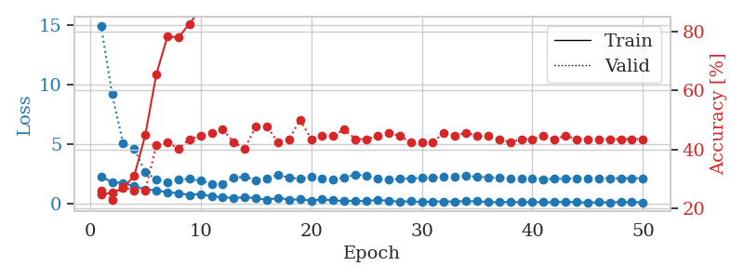
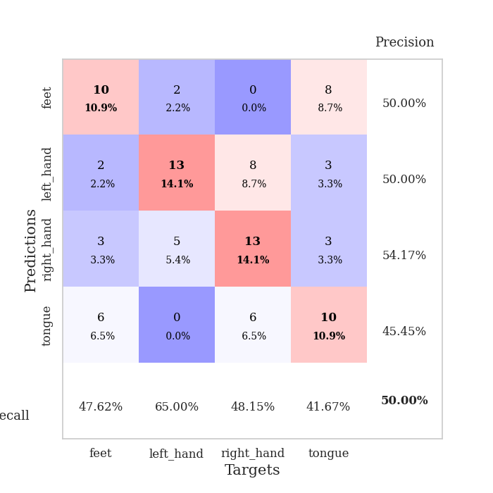
train_loss | valid_loss | train_accuracy | valid_accuracy | dur | train_misclass | valid_misclass
2.2706474543 | 14.92511318 | 0.2472826087 | 0.26086956522 | 0.035047054291 | 24.72826087 | 26.086956522
1.760329175 | 9.1614067243 | 0.2527173913 | 0.22826086957 | 0.03514122963 | 25.27173913 | 22.826086957
1.7099063873 | 5.0089043742 | 0.26902173913 | 0.27173913043 | 0.032735347748 | 26.902173913 | 27.173913043
1.4392291069 | 4.5666499345 | 0.3097826087 | 0.26086956522 | 0.03342628479 | 30.97826087 | 26.086956522
1.173856473 | 2.6484222205 | 0.44836956522 | 0.26086956522 | 0.032816171646 | 44.836956522 | 26.086956522
1.0886654139 | 1.9925307087 | 0.65489130435 | 0.41304347826 | 0.032880067825 | 65.489130435 | 41.304347826
0.91475651264 | 1.7825340603 | 0.78260869565 | 0.42391304348 | 0.033658742905 | 78.260869565 | 42.391304348
0.85524133444 | 2.0102089695 | 0.77989130435 | 0.40217391304 | 0.033056497574 | 77.989130435 | 40.217391304
0.70465986729 | 2.041771754 | 0.82608695652 | 0.4347826087 | 0.032848596573 | 82.608695652 | 43.47826087
0.78817390203 | 1.8888182536 | 0.8777173913 | 0.44565217391 | 0.033715248108 | 87.77173913 | 44.565217391
0.58276183605 | 1.6205701102 | 0.88858695652 | 0.45652173913 | 0.033029794693 | 88.858695652 | 45.652173913
0.51451790929 | 1.6466960803 | 0.90489130435 | 0.46739130435 | 0.033326387405 | 90.489130435 | 46.739130435
0.4620806098 | 2.1498117758 | 0.89130434783 | 0.42391304348 | 0.033627748489 | 89.130434783 | 42.391304348
0.49634339809 | 2.2427070244 | 0.89945652174 | 0.40217391304 | 0.032871961594 | 89.945652174 | 40.217391304
0.44730650783 | 1.9418687924 | 0.95923913043 | 0.47826086957 | 0.032891988754 | 95.923913043 | 47.826086957
0.28359598517 | 2.0959813802 | 0.96467391304 | 0.47826086957 | 0.033390283585 | 96.467391304 | 47.826086957
0.4585093677 | 2.3955329708 | 0.95108695652 | 0.42391304348 | 0.032984972 | 95.108695652 | 42.391304348
0.32051459253 | 2.1528445845 | 0.97826086957 | 0.4347826087 | 0.033002138138 | 97.826086957 | 43.47826087
0.32852602303 | 2.0612100207 | 0.97826086957 | 0.5 | 0.032994031906 | 97.826086957 | 50
0.23125730455 | 2.2018721207 | 0.98097826087 | 0.4347826087 | 0.033964157104 | 98.097826087 | 43.47826087
0.32734511495 | 2.1092736825 | 0.98641304348 | 0.44565217391 | 0.033231973648 | 98.641304348 | 44.565217391
0.24651935399 | 1.9852893974 | 0.98913043478 | 0.44565217391 | 0.033051490784 | 98.913043478 | 44.565217391
0.20140317827 | 2.167505171 | 0.98369565217 | 0.46739130435 | 0.033102750778 | 98.369565217 | 46.739130435
0.20835796297 | 2.4084203036 | 0.98641304348 | 0.4347826087 | 0.033029079437 | 98.641304348 | 43.47826087
0.19582158998 | 2.3267497705 | 0.99456521739 | 0.4347826087 | 0.033075332642 | 99.456521739 | 43.47826087
0.28699942827 | 2.0690756881 | 0.9972826087 | 0.44565217391 | 0.03306722641 | 99.72826087 | 44.565217391
0.2101420939 | 1.982240708 | 0.9972826087 | 0.45652173913 | 0.033062696457 | 99.72826087 | 45.652173913
0.13698072433 | 2.0531213906 | 1 | 0.44565217391 | 0.0330555439 | 100 | 44.565217391
0.17219071388 | 2.1066667412 | 1 | 0.42391304348 | 0.035373210907 | 100 | 42.391304348
0.11532661617 | 2.1247961832 | 1 | 0.42391304348 | 0.033522605896 | 100 | 42.391304348
0.15149290711 | 2.1397662474 | 1 | 0.42391304348 | 0.033354520798 | 100 | 42.391304348
0.15905690491 | 2.1980090141 | 1 | 0.45652173913 | 0.033152580261 | 100 | 45.652173913
0.15297977328 | 2.2312673278 | 1 | 0.44565217391 | 0.033145666122 | 100 | 44.565217391
0.17812992036 | 2.2882360168 | 0.9972826087 | 0.45652173913 | 0.033079862595 | 99.72826087 | 45.652173913
0.16560337245 | 2.2415751893 | 0.9972826087 | 0.44565217391 | 0.033045291901 | 99.72826087 | 44.565217391
0.11572652161 | 2.179072888 | 0.9972826087 | 0.44565217391 | 0.033056259155 | 99.72826087 | 44.565217391
0.090532796085 | 2.1526897265 | 0.9972826087 | 0.4347826087 | 0.033135890961 | 99.72826087 | 43.47826087
0.12492259145 | 2.1077051681 | 1 | 0.42391304348 | 0.033300638199 | 100 | 42.391304348
0.087382814288 | 2.0725917298 | 1 | 0.4347826087 | 0.033061504364 | 100 | 43.47826087
0.11901417226 | 2.048966781 | 1 | 0.4347826087 | 0.033181905746 | 100 | 43.47826087
0.089037966728 | 2.0341114065 | 1 | 0.44565217391 | 0.033174276352 | 100 | 44.565217391
0.093540656567 | 2.0461277132 | 1 | 0.4347826087 | 0.033080816269 | 100 | 43.47826087
0.14001178443 | 2.0787330192 | 1 | 0.44565217391 | 0.033207654953 | 100 | 44.565217391
0.097381390631 | 2.0881366419 | 1 | 0.4347826087 | 0.033086299896 | 100 | 43.47826087
0.068477921933 | 2.0994711441 | 1 | 0.4347826087 | 0.033067703247 | 100 | 43.47826087
0.087261367589 | 2.102069523 | 1 | 0.4347826087 | 0.033047437668 | 100 | 43.47826087
0.086807356775 | 2.1050792051 | 1 | 0.4347826087 | 0.033103942871 | 100 | 43.47826087
0.10787620842 | 2.1060779509 | 1 | 0.4347826087 | 0.033082962036 | 100 | 43.47826087
0.097769579291 | 2.109911079 | 1 | 0.4347826087 | 0.033101081848 | 100 | 43.47826087
0.086208738387 | 2.1087439475 | 1 | 0.4347826087 | 0.033024787903 | 100 | 43.47826087

Best Val accuracy is 0.5 and Best test accuracy is 0.4396551724137931

Sheet7
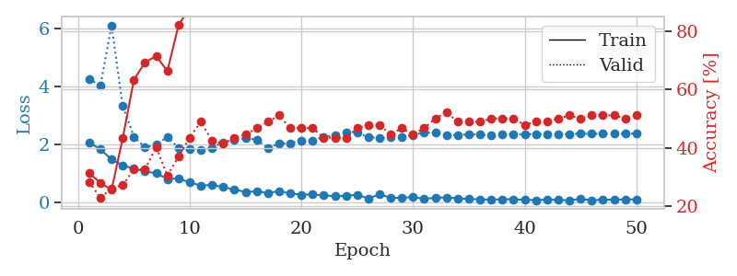
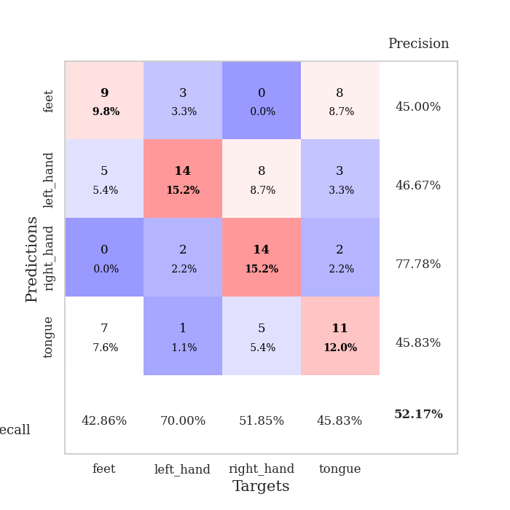
train_loss | valid_loss | train_accuracy | valid_accuracy | dur | train_misclass | valid_misclass
2.0688007593 | 4.2627311168 | 0.3125 | 0.28260869565 | 0.034981966019 | 31.25 | 28.260869565
1.8259900808 | 4.0135862309 | 0.27989130435 | 0.22826086957 | 0.034188747406 | 27.989130435 | 22.826086957
1.4807619095 | 6.103597952 | 0.25543478261 | 0.26086956522 | 0.033945322037 | 25.543478261 | 26.086956522
1.2749771357 | 3.3167427726 | 0.43206521739 | 0.27173913043 | 0.033795595169 | 43.206521739 | 27.173913043
1.1606800079 | 2.2639999701 | 0.63315217391 | 0.32608695652 | 0.033888101578 | 63.315217391 | 32.608695652
1.066547966 | 1.8997193005 | 0.69293478261 | 0.32608695652 | 0.033089876175 | 69.293478261 | 32.608695652
1.0039800048 | 1.9832758904 | 0.71467391304 | 0.40217391304 | 0.032865524292 | 71.467391304 | 40.217391304
0.80614396334 | 2.2562244975 | 0.66304347826 | 0.30434782609 | 0.033992052078 | 66.304347826 | 30.434782609
0.82403320074 | 1.8722273992 | 0.82065217391 | 0.36956521739 | 0.032827854156 | 82.065217391 | 36.956521739
0.68585984707 | 1.8411780648 | 0.88043478261 | 0.4347826087 | 0.033082485199 | 88.043478261 | 43.47826087
0.57795680165 | 1.814509454 | 0.89402173913 | 0.48913043478 | 0.033276319504 | 89.402173913 | 48.913043478
0.60252295732 | 1.8846128194 | 0.92119565217 | 0.42391304348 | 0.033496856689 | 92.119565217 | 42.391304348
0.52315094471 | 2.071936286 | 0.90489130435 | 0.41304347826 | 0.033679246902 | 90.489130435 | 41.304347826
0.44888173342 | 2.1672919108 | 0.91032608696 | 0.4347826087 | 0.034092903137 | 91.032608696 | 43.47826087
0.35229923725 | 2.2098716446 | 0.92663043478 | 0.44565217391 | 0.03317284584 | 92.663043478 | 44.565217391
0.38107168078 | 2.1640537925 | 0.95923913043 | 0.46739130435 | 0.033712148666 | 95.923913043 | 46.739130435
0.32751049995 | 1.874917559 | 0.97010869565 | 0.48913043478 | 0.033531904221 | 97.010869565 | 48.913043478
0.38604428768 | 2.0229961768 | 0.97282608696 | 0.51086956522 | 0.033236980438 | 97.282608696 | 51.086956522
0.31100123525 | 2.04110611 | 0.97282608696 | 0.46739130435 | 0.034250497818 | 97.282608696 | 46.739130435
0.26357866228 | 2.1238225128 | 0.98369565217 | 0.46739130435 | 0.033084392548 | 98.369565217 | 46.739130435
0.27188047767 | 2.1221964463 | 0.99456521739 | 0.46739130435 | 0.033145189285 | 99.456521739 | 46.739130435
0.2420480907 | 2.2614926566 | 0.98913043478 | 0.4347826087 | 0.035121202469 | 98.913043478 | 43.47826087
0.21199089885 | 2.3085306313 | 0.9972826087 | 0.4347826087 | 0.032814502716 | 99.72826087 | 43.47826087
0.22524987757 | 2.422468258 | 0.99184782609 | 0.4347826087 | 0.032862901688 | 99.184782609 | 43.47826087
0.26507788301 | 2.39362556 | 0.99456521739 | 0.46739130435 | 0.032965898514 | 99.456521739 | 46.739130435
0.13183740824 | 2.2568644337 | 1 | 0.47826086957 | 0.032896995544 | 100 | 47.826086957
0.27630892694 | 2.2054234173 | 0.9972826087 | 0.47826086957 | 0.033144950867 | 99.72826087 | 47.826086957
0.1587859422 | 2.2453425656 | 0.9972826087 | 0.44565217391 | 0.033116102219 | 99.72826087 | 44.565217391
0.151365982 | 2.2530786887 | 0.9972826087 | 0.46739130435 | 0.033105611801 | 99.72826087 | 46.739130435
0.18740288913 | 2.3242817443 | 1 | 0.44565217391 | 0.033133506775 | 100 | 44.565217391
0.11529802531 | 2.412177345 | 1 | 0.46739130435 | 0.033039569855 | 100 | 46.739130435
0.16258373708 | 2.3947248563 | 1 | 0.5 | 0.033014535904 | 100 | 50
0.16864656731 | 2.3098952563 | 1 | 0.52173913043 | 0.035040140152 | 100 | 52.173913043
0.1371308744 | 2.3204532084 | 1 | 0.48913043478 | 0.034140348434 | 100 | 48.913043478
0.11363466531 | 2.3481183881 | 1 | 0.48913043478 | 0.032849550247 | 100 | 48.913043478
0.10531263649 | 2.3304285899 | 1 | 0.48913043478 | 0.033393383026 | 100 | 48.913043478
0.090666231513 | 2.3126728016 | 1 | 0.5 | 0.032880306244 | 100 | 50
0.10701868236 | 2.3319574232 | 1 | 0.5 | 0.033009767532 | 100 | 50
0.10522112697 | 2.3420647435 | 1 | 0.5 | 0.033579111099 | 100 | 50
0.088312374055 | 2.3473234073 | 1 | 0.47826086957 | 0.03312420845 | 100 | 47.826086957
0.076515187323 | 2.3517349907 | 1 | 0.48913043478 | 0.033397674561 | 100 | 48.913043478
0.093955668807 | 2.353114097 | 1 | 0.48913043478 | 0.03395485878 | 100 | 48.913043478
0.083512640744 | 2.3542581641 | 1 | 0.5 | 0.033267498016 | 100 | 50
0.069974554703 | 2.3553182457 | 1 | 0.51086956522 | 0.033647060394 | 100 | 51.086956522
0.11721641868 | 2.3662420667 | 1 | 0.5 | 0.033649921417 | 100 | 50
0.071064718068 | 2.361963863 | 1 | 0.51086956522 | 0.033198595047 | 100 | 51.086956522
0.090044005215 | 2.3639683412 | 1 | 0.51086956522 | 0.033553123474 | 100 | 51.086956522
0.093608824909 | 2.3646808604 | 1 | 0.51086956522 | 0.033465385437 | 100 | 51.086956522
0.097577100992 | 2.3663027287 | 1 | 0.5 | 0.033044338226 | 100 | 50
0.10181901753 | 2.3636115323 | 1 | 0.51086956522 | 0.033674955368 | 100 | 51.086956522

Best Val accuracy is 0.5217391304347826 and Best test accuracy is 0.45689655172413796

Sheet8
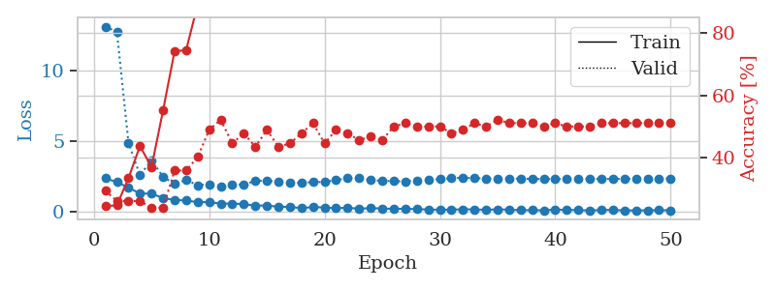
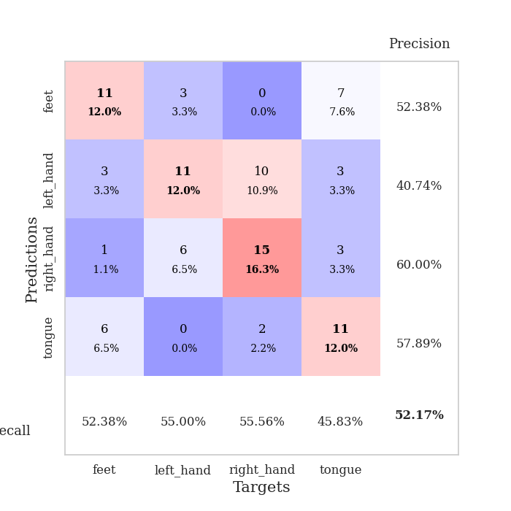
train_loss | valid_loss | train_accuracy | valid_accuracy | dur | train_misclass | valid_misclass
2.3490537405 | 13.091625006 | 0.24456521739 | 0.29347826087 | 0.035138130188 | 24.456521739 | 29.347826087
2.0801406145 | 12.71218304 | 0.2472826087 | 0.26086956522 | 0.034066200256 | 24.72826087 | 26.086956522
1.6837414026 | 4.8760800362 | 0.33423913043 | 0.26086956522 | 0.033001184464 | 33.423913043 | 26.086956522
1.2690294743 | 2.5657683352 | 0.4375 | 0.26086956522 | 0.032920837402 | 43.75 | 26.086956522
1.2623157024 | 3.6379401269 | 0.36956521739 | 0.23913043478 | 0.032831907272 | 36.956521739 | 23.913043478
0.94884717464 | 2.4486974115 | 0.55163043478 | 0.23913043478 | 0.032845497131 | 55.163043478 | 23.913043478
0.81617721319 | 1.9519325754 | 0.74184782609 | 0.35869565217 | 0.03275680542 | 74.184782609 | 35.869565217
0.77562737465 | 2.2311699701 | 0.74456521739 | 0.35869565217 | 0.033197879791 | 74.456521739 | 35.869565217
0.65520457029 | 1.857949599 | 0.89130434783 | 0.40217391304 | 0.033546447754 | 89.130434783 | 40.217391304
0.66825188398 | 1.9126950451 | 0.88315217391 | 0.48913043478 | 0.034010410309 | 88.315217391 | 48.913043478
0.55238264203 | 1.7548823668 | 0.92934782609 | 0.52173913043 | 0.034131765366 | 92.934782609 | 52.173913043
0.55813745856 | 1.8778326926 | 0.91032608696 | 0.44565217391 | 0.033805608749 | 91.032608696 | 44.565217391
0.51493663788 | 1.9200457179 | 0.9375 | 0.47826086957 | 0.033000707626 | 93.75 | 47.826086957
0.41266520023 | 2.1562531616 | 0.95380434783 | 0.4347826087 | 0.033077478409 | 95.380434783 | 43.47826087
0.42054091692 | 2.1990001305 | 0.95108695652 | 0.48913043478 | 0.033004522324 | 95.108695652 | 48.913043478
0.33112623096 | 2.0788255567 | 0.96739130435 | 0.4347826087 | 0.032974004745 | 96.739130435 | 43.47826087
0.32425464094 | 2.0287591063 | 0.98369565217 | 0.44565217391 | 0.033055067062 | 98.369565217 | 44.565217391
0.23317074478 | 2.0282450966 | 0.98369565217 | 0.47826086957 | 0.035413980484 | 98.369565217 | 47.826086957
0.31463353634 | 2.0772098355 | 0.98369565217 | 0.51086956522 | 0.033767223358 | 98.369565217 | 51.086956522
0.27645101845 | 2.08527933 | 0.9972826087 | 0.44565217391 | 0.033103704453 | 99.72826087 | 44.565217391
0.23726167381 | 2.2238011671 | 0.9972826087 | 0.48913043478 | 0.033049583435 | 99.72826087 | 48.913043478
0.2538413763 | 2.3450930119 | 0.98641304348 | 0.47826086957 | 0.035201072693 | 98.641304348 | 47.826086957
0.19953815341 | 2.3693741715 | 0.99184782609 | 0.45652173913 | 0.032826423645 | 99.184782609 | 45.652173913
0.23427744806 | 2.2093895311 | 1 | 0.46739130435 | 0.032756328583 | 100 | 46.739130435
0.20832542181 | 2.1770599925 | 0.99184782609 | 0.45652173913 | 0.03293800354 | 99.184782609 | 45.652173913
0.18609522283 | 2.1404480934 | 0.9972826087 | 0.5 | 0.032937049866 | 99.72826087 | 50
0.18733498603 | 2.1343220421 | 0.9972826087 | 0.51086956522 | 0.035024881363 | 99.72826087 | 51.086956522
0.1631786108 | 2.1912047967 | 1 | 0.5 | 0.033761262894 | 100 | 50
0.13512361348 | 2.2377823021 | 1 | 0.5 | 0.033680915833 | 100 | 50
0.11971001178 | 2.2835264517 | 1 | 0.5 | 0.033334970474 | 100 | 50
0.12672006562 | 2.3539999153 | 1 | 0.47826086957 | 0.033286333084 | 100 | 47.826086957
0.15035721958 | 2.3950346345 | 0.9972826087 | 0.48913043478 | 0.032838821411 | 99.72826087 | 48.913043478
0.14350211322 | 2.3606933407 | 1 | 0.51086956522 | 0.032915115356 | 100 | 51.086956522
0.11324640438 | 2.3287133756 | 1 | 0.5 | 0.032995939255 | 100 | 50
0.14915242493 | 2.3287723168 | 1 | 0.52173913043 | 0.032963752747 | 100 | 52.173913043
0.1233325243 | 2.3368471705 | 1 | 0.51086956522 | 0.033788204193 | 100 | 51.086956522
0.093172796071 | 2.3196178416 | 1 | 0.51086956522 | 0.033829450607 | 100 | 51.086956522
0.092600155622 | 2.3029203208 | 1 | 0.51086956522 | 0.033289670944 | 100 | 51.086956522
0.077254359424 | 2.2914973549 | 1 | 0.5 | 0.032976388931 | 100 | 50
0.13478172421 | 2.2937715779 | 1 | 0.51086956522 | 0.032954931259 | 100 | 51.086956522
0.10837751105 | 2.2969453749 | 1 | 0.5 | 0.032917737961 | 100 | 50
0.10194204003 | 2.2992275072 | 1 | 0.5 | 0.033024311066 | 100 | 50
0.068254671991 | 2.3010516478 | 1 | 0.5 | 0.032900810242 | 100 | 50
0.10184854865 | 2.3029348332 | 1 | 0.51086956522 | 0.032938957214 | 100 | 51.086956522
0.11058500409 | 2.3020715921 | 1 | 0.51086956522 | 0.033494710922 | 100 | 51.086956522
0.067873878777 | 2.3086519449 | 1 | 0.51086956522 | 0.032957553864 | 100 | 51.086956522
0.076669870317 | 2.3155778491 | 1 | 0.51086956522 | 0.033017635345 | 100 | 51.086956522
0.076358089596 | 2.319887835 | 1 | 0.51086956522 | 0.033047914505 | 100 | 51.086956522
0.091749835759 | 2.3221123944 | 1 | 0.51086956522 | 0.033087253571 | 100 | 51.086956522
0.08177133128 | 2.323713002 | 1 | 0.51086956522 | 0.033564090729 | 100 | 51.086956522

Best Val accuracy is 0.5217391304347826 and Best test accuracy is 0.43103448275862066

Sheet9
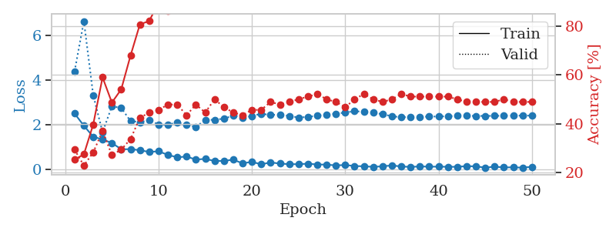
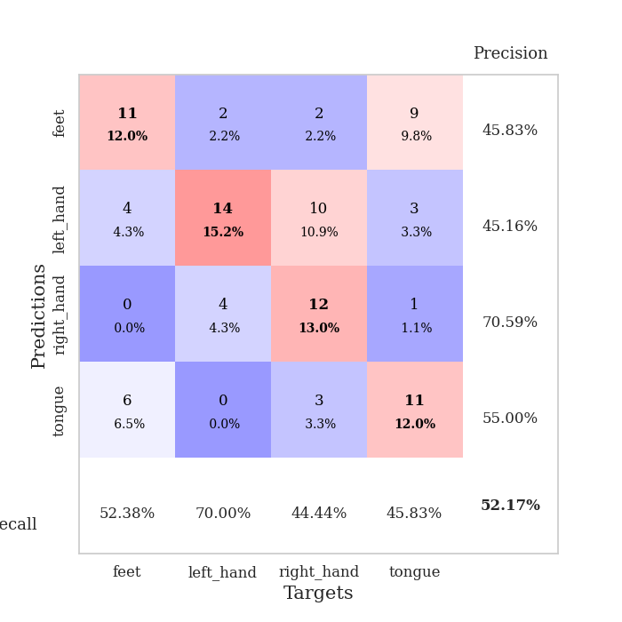
train_loss | valid_loss | train_accuracy | valid_accuracy | dur | train_misclass | valid_misclass
2.5014941931 | 4.3925043396 | 0.2527173913 | 0.29347826087 | 0.035089254379 | 25.27173913 | 29.347826087
1.9485118866 | 6.6538187317 | 0.27445652174 | 0.22826086957 | 0.034913301468 | 27.445652174 | 22.826086957
1.4522646904 | 3.3213431835 | 0.39673913043 | 0.28260869565 | 0.033111333847 | 39.673913043 | 28.260869565
1.3318461418 | 1.6541501284 | 0.58967391304 | 0.36956521739 | 0.033542633057 | 58.967391304 | 36.956521739
1.1735557556 | 2.8229826948 | 0.48641304348 | 0.27173913043 | 0.03403711319 | 48.641304348 | 27.173913043
0.89058799744 | 2.7506003069 | 0.54076086957 | 0.29347826087 | 0.03410243988 | 54.076086957 | 29.347826087
0.89389762878 | 2.1584534749 | 0.67934782609 | 0.33695652174 | 0.033010721207 | 67.934782609 | 33.695652174
0.8492030859 | 2.1132748645 | 0.80706521739 | 0.42391304348 | 0.03345823288 | 80.706521739 | 42.391304348
0.76814523935 | 2.1944788332 | 0.82065217391 | 0.44565217391 | 0.034309625626 | 82.065217391 | 44.565217391
0.79952285886 | 2.0038198492 | 0.89673913043 | 0.45652173913 | 0.034505367279 | 89.673913043 | 45.652173913
0.63622329235 | 1.9935806005 | 0.86141304348 | 0.47826086957 | 0.033795118332 | 86.141304348 | 47.826086957
0.52881619334 | 2.0991010873 | 0.90489130435 | 0.47826086957 | 0.034365653992 | 90.489130435 | 47.826086957
0.56173070669 | 1.9830067987 | 0.92119565217 | 0.4347826087 | 0.033009052277 | 92.119565217 | 43.47826087
0.42624691725 | 1.8915917148 | 0.9347826087 | 0.47826086957 | 0.032970190048 | 93.47826087 | 47.826086957
0.45677042007 | 2.2137890795 | 0.94836956522 | 0.44565217391 | 0.033225297928 | 94.836956522 | 44.565217391
0.36344068646 | 2.2166802676 | 0.98369565217 | 0.5 | 0.033099889755 | 98.369565217 | 50
0.36577010751 | 2.2701749594 | 0.96467391304 | 0.46739130435 | 0.03441286087 | 96.467391304 | 46.739130435
0.42260224521 | 2.4000966964 | 0.94565217391 | 0.44565217391 | 0.03365945816 | 94.565217391 | 44.565217391
0.25514303148 | 2.309125807 | 0.97282608696 | 0.4347826087 | 0.032955884933 | 97.282608696 | 43.47826087
0.32614611983 | 2.3816718952 | 0.99184782609 | 0.45652173913 | 0.033079147339 | 99.184782609 | 45.652173913
0.21079914272 | 2.4893568391 | 0.9972826087 | 0.45652173913 | 0.032898187637 | 99.72826087 | 45.652173913
0.29901312292 | 2.4324243691 | 0.98913043478 | 0.48913043478 | 0.032972335815 | 98.913043478 | 48.913043478
0.24598664045 | 2.450680515 | 0.99456521739 | 0.47826086957 | 0.033036470413 | 99.456521739 | 47.826086957
0.21979064941 | 2.3917212797 | 0.9972826087 | 0.48913043478 | 0.033056259155 | 99.72826087 | 48.913043478
0.21857421845 | 2.318623916 | 0.99456521739 | 0.5 | 0.033000707626 | 99.456521739 | 50
0.24111191183 | 2.3466219798 | 0.99184782609 | 0.51086956522 | 0.032959222794 | 99.184782609 | 51.086956522
0.20627542436 | 2.3992623039 | 0.99456521739 | 0.52173913043 | 0.034555912018 | 99.456521739 | 52.173913043
0.19818556458 | 2.4547878141 | 1 | 0.5 | 0.033610582352 | 100 | 50
0.16439822763 | 2.4905783715 | 1 | 0.48913043478 | 0.033071041107 | 100 | 48.913043478
0.181311436 | 2.5430086074 | 1 | 0.46739130435 | 0.033054113388 | 100 | 46.739130435
0.136034666 | 2.6051140868 | 1 | 0.5 | 0.033012866974 | 100 | 50
0.12443622798 | 2.5720612692 | 1 | 0.52173913043 | 0.033096551895 | 100 | 52.173913043
0.099212278426 | 2.5323363491 | 1 | 0.5 | 0.032997131348 | 100 | 50
0.12396135926 | 2.4691454846 | 1 | 0.48913043478 | 0.032993078232 | 100 | 48.913043478
0.16265572459 | 2.3719798378 | 1 | 0.5 | 0.032945871353 | 100 | 50
0.11606804729 | 2.3357189013 | 1 | 0.52173913043 | 0.032884120941 | 100 | 52.173913043
0.094609233737 | 2.3404581028 | 1 | 0.51086956522 | 0.033174753189 | 100 | 51.086956522
0.11799483597 | 2.3508995098 | 1 | 0.51086956522 | 0.033058166504 | 100 | 51.086956522
0.10660925955 | 2.3602172084 | 1 | 0.51086956522 | 0.034006595612 | 100 | 51.086956522
0.10734429881 | 2.3647722887 | 1 | 0.51086956522 | 0.03310585022 | 100 | 51.086956522
0.10167090893 | 2.376517244 | 1 | 0.51086956522 | 0.033095121384 | 100 | 51.086956522
0.10013207421 | 2.3927536633 | 1 | 0.5 | 0.032990455627 | 100 | 50
0.13072265238 | 2.3933403492 | 1 | 0.48913043478 | 0.032982110977 | 100 | 48.913043478
0.12124706656 | 2.3906986299 | 1 | 0.48913043478 | 0.033023118973 | 100 | 48.913043478
0.061871981621 | 2.3914330006 | 1 | 0.48913043478 | 0.032913684845 | 100 | 48.913043478
0.10627681464 | 2.3929603203 | 1 | 0.48913043478 | 0.033582210541 | 100 | 48.913043478
0.073033618927 | 2.3974558063 | 1 | 0.5 | 0.032976388931 | 100 | 50
0.078477253765 | 2.4043451081 | 1 | 0.48913043478 | 0.033416986465 | 100 | 48.913043478
0.062635224313 | 2.4040952869 | 1 | 0.48913043478 | 0.032919883728 | 100 | 48.913043478
0.10232789814 | 2.4059047906 | 1 | 0.48913043478 | 0.033067703247 | 100 | 48.913043478

Best Val accuracy is 0.5217391304347826 and Best test accuracy is 0.4051724137931034

Sheet10
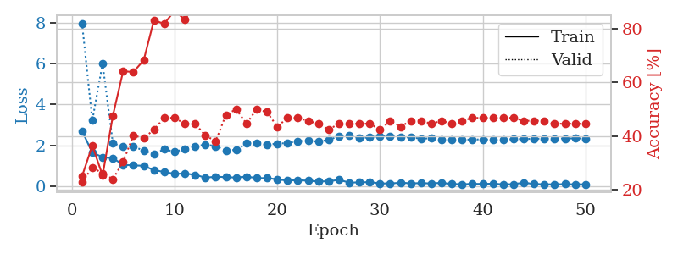
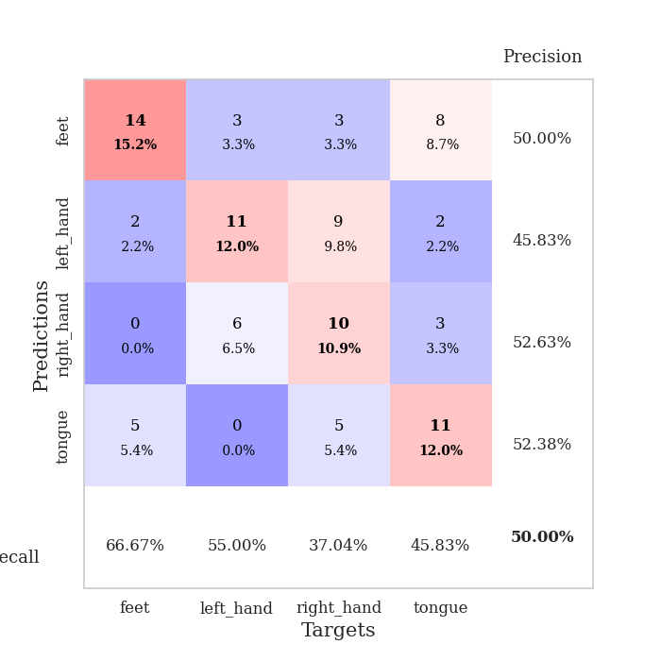
train_loss | valid_loss | train_accuracy | valid_accuracy | dur | train_misclass | valid_misclass
2.7021415234 | 7.9756044305 | 0.25 | 0.22826086957 | 0.034999370575 | 25 | 22.826086957
1.6467189789 | 3.2232802743 | 0.36413043478 | 0.28260869565 | 0.034334659576 | 36.413043478 | 28.260869565
1.4253597021 | 5.9962196557 | 0.2527173913 | 0.26086956522 | 0.034306287766 | 25.27173913 | 26.086956522
1.3756540775 | 2.1050283494 | 0.47554347826 | 0.23913043478 | 0.034250020981 | 47.554347826 | 23.913043478
1.0462767839 | 1.9381133473 | 0.64130434783 | 0.30434782609 | 0.034336328506 | 64.130434783 | 30.434782609
1.0191153169 | 1.9440397491 | 0.63858695652 | 0.40217391304 | 0.034067153931 | 63.858695652 | 40.217391304
1.0002055764 | 1.74353669 | 0.68206521739 | 0.39130434783 | 0.034218788147 | 68.206521739 | 39.130434783
0.78651988506 | 1.5697562487 | 0.83152173913 | 0.42391304348 | 0.034163475037 | 83.152173913 | 42.391304348
0.70004565716 | 1.8105540587 | 0.81793478261 | 0.46739130435 | 0.034300804138 | 81.793478261 | 46.739130435
0.60555417538 | 1.6899828496 | 0.86684782609 | 0.46739130435 | 0.033561468124 | 86.684782609 | 46.739130435
0.62110859156 | 1.8139567168 | 0.83423913043 | 0.44565217391 | 0.03396320343 | 83.423913043 | 44.565217391
0.55608779192 | 1.9536564143 | 0.88858695652 | 0.44565217391 | 0.033882141113 | 88.858695652 | 44.565217391
0.420423311 | 2.0372844053 | 0.8777173913 | 0.40217391304 | 0.03394985199 | 87.77173913 | 40.217391304
0.4599678278 | 1.9645501634 | 0.9375 | 0.38043478261 | 0.033980846405 | 93.75 | 38.043478261
0.44665437937 | 1.7483621369 | 0.94565217391 | 0.47826086957 | 0.033981323242 | 94.565217391 | 47.826086957
0.42301787734 | 1.7843044219 | 0.95380434783 | 0.5 | 0.033204317093 | 95.380434783 | 50
0.47233405113 | 2.0921077417 | 0.97282608696 | 0.44565217391 | 0.034428119659 | 97.282608696 | 44.565217391
0.3974145174 | 2.1152413928 | 0.95652173913 | 0.5 | 0.033280134201 | 95.652173913 | 50
0.3937178731 | 2.0462159074 | 0.95380434783 | 0.48913043478 | 0.033142089844 | 95.380434783 | 48.913043478
0.3393404454 | 2.0855666347 | 0.98097826087 | 0.4347826087 | 0.03403377533 | 98.097826087 | 43.47826087
0.27224707603 | 2.111150441 | 0.98097826087 | 0.46739130435 | 0.034088373184 | 98.097826087 | 46.739130435
0.29862077832 | 2.2018415824 | 0.99184782609 | 0.46739130435 | 0.034059286118 | 99.184782609 | 46.739130435
0.26649647951 | 2.24821439 | 0.99184782609 | 0.45652173913 | 0.034163236618 | 99.184782609 | 45.652173913
0.23202375472 | 2.175342394 | 0.9972826087 | 0.44565217391 | 0.033958435059 | 99.72826087 | 44.565217391
0.2406706512 | 2.2727623297 | 0.99184782609 | 0.42391304348 | 0.034107923508 | 99.184782609 | 42.391304348
0.3094632268 | 2.4370406503 | 0.99456521739 | 0.44565217391 | 0.034076213837 | 99.456521739 | 44.565217391
0.18014327586 | 2.4734921455 | 0.99456521739 | 0.44565217391 | 0.033253192902 | 99.456521739 | 44.565217391
0.18382876366 | 2.3557715831 | 0.9972826087 | 0.44565217391 | 0.033021450043 | 99.72826087 | 44.565217391
0.20095909536 | 2.3901106793 | 1 | 0.44565217391 | 0.033703804016 | 100 | 44.565217391
0.13723147213 | 2.4585562685 | 1 | 0.42391304348 | 0.033896684647 | 100 | 42.391304348
0.13211502433 | 2.4414199021 | 1 | 0.45652173913 | 0.034052371979 | 100 | 45.652173913
0.17105920464 | 2.4181437181 | 1 | 0.4347826087 | 0.034049510956 | 100 | 43.47826087
0.14179481864 | 2.3860268696 | 1 | 0.45652173913 | 0.034054756165 | 100 | 45.652173913
0.14907848388 | 2.3287115719 | 1 | 0.45652173913 | 0.033404827118 | 100 | 45.652173913
0.13603708595 | 2.3438650525 | 1 | 0.44565217391 | 0.033277273178 | 100 | 44.565217391
0.16553543359 | 2.2956508761 | 1 | 0.45652173913 | 0.034132957458 | 100 | 45.652173913
0.10942497998 | 2.2793688463 | 1 | 0.44565217391 | 0.032882928848 | 100 | 44.565217391
0.094489713013 | 2.2781803815 | 1 | 0.45652173913 | 0.033339500427 | 100 | 45.652173913
0.11533825547 | 2.2835070258 | 1 | 0.46739130435 | 0.034368276596 | 100 | 46.739130435
0.11004873738 | 2.2930088043 | 1 | 0.46739130435 | 0.034115314484 | 100 | 46.739130435
0.12381020039 | 2.2834226152 | 1 | 0.46739130435 | 0.034005641937 | 100 | 46.739130435
0.090776272863 | 2.2894448197 | 1 | 0.46739130435 | 0.033422231674 | 100 | 46.739130435
0.10001115277 | 2.3011214526 | 1 | 0.46739130435 | 0.033835411072 | 100 | 46.739130435
0.1734235242 | 2.3112804268 | 1 | 0.45652173913 | 0.033764839172 | 100 | 45.652173913
0.10643734112 | 2.3211685367 | 1 | 0.45652173913 | 0.032922029495 | 100 | 45.652173913
0.095930174738 | 2.3302768106 | 1 | 0.45652173913 | 0.034649372101 | 100 | 45.652173913
0.090526709706 | 2.334841552 | 1 | 0.44565217391 | 0.033352613449 | 100 | 44.565217391
0.10074654296 | 2.3373806995 | 1 | 0.44565217391 | 0.033746957779 | 100 | 44.565217391
0.092521457374 | 2.3402804603 | 1 | 0.44565217391 | 0.033172607422 | 100 | 44.565217391
0.0912421152 | 2.3385484737 | 1 | 0.44565217391 | 0.032899141312 | 100 | 44.565217391

Best Val accuracy is 0.5 and Best test accuracy is 0.4396551724137931

