Sheet
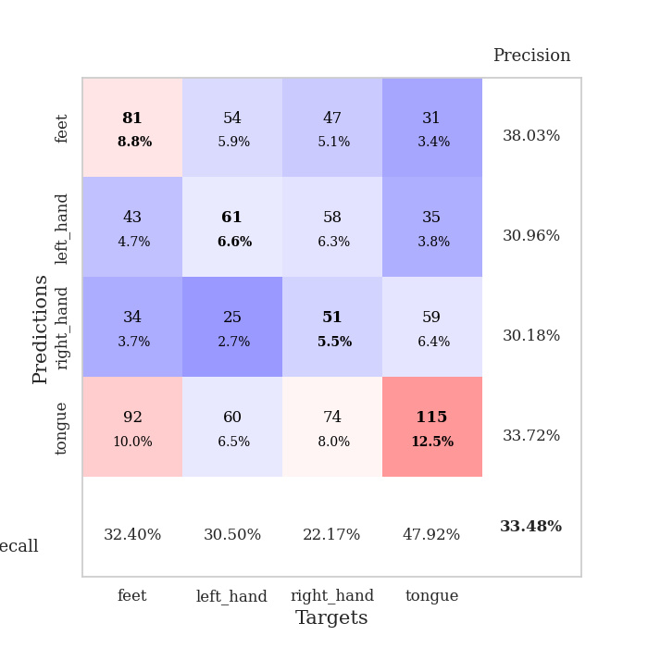
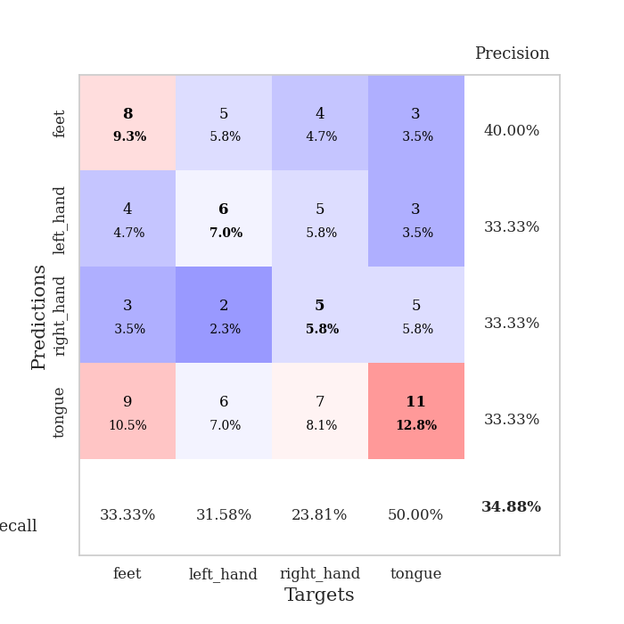
best_val_acc | best_val_los | best_test_acc
0.33695652174 | 2.0548384034 | 0.26724137931
0.30434782609 | 2.2157237426 | 0.3275862069
0.35869565217 | 2.1797044899 | 0.34482758621
0.35869565217 | 2.1516014493 | 0.36206896552
0.34782608696 | 1.913237779 | 0.31896551724
0.32608695652 | 2.3284198201 | 0.36206896552
0.32608695652 | 2.0963183486 | 0.28448275862
0.3152173913 | 2.1808240673 | 0.33620689655
0.34782608696 | 2.3034714512 | 0.3275862069
0.32608695652 | 2.0446776825 | 0.25862068966

Mean,std Val accuracy is 0.33478260869565213 , 0.0183320444067732 and mean, std test accuracy is 0.31896551724137934 , 0.03702327220323312

Sheet1
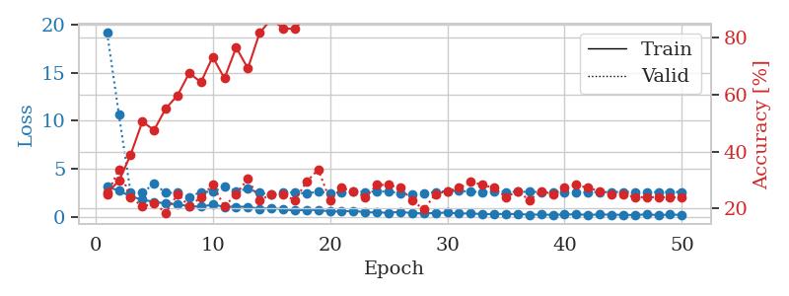
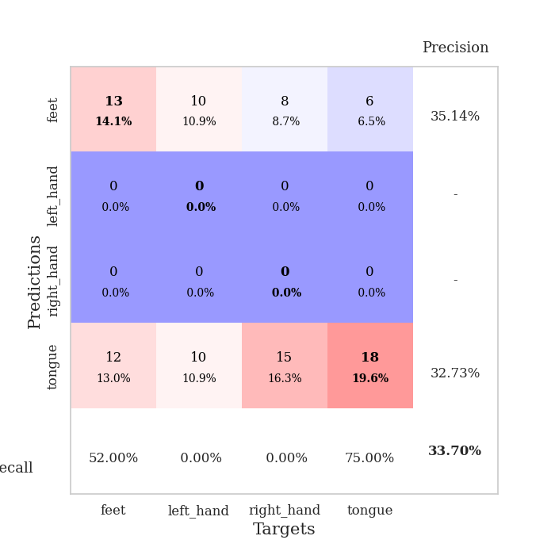
train_loss | valid_loss | train_accuracy | valid_accuracy | dur | train_misclass | valid_misclass
3.1205359221 | 19.133021562 | 0.25543478261 | 0.25 | 0.036618471146 | 25.543478261 | 25
2.7410356045 | 10.668428587 | 0.29619565217 | 0.33695652174 | 0.03509926796 | 29.619565217 | 33.695652174
2.1155274153 | 2.5198819223 | 0.38858695652 | 0.23913043478 | 0.034332513809 | 38.858695652 | 23.913043478
1.799441433 | 2.498716458 | 0.50543478261 | 0.20652173913 | 0.033640861511 | 50.543478261 | 20.652173913
1.5478025913 | 3.4450016644 | 0.47554347826 | 0.21739130435 | 0.03347492218 | 47.554347826 | 21.739130435
1.4117018461 | 2.4942252429 | 0.55163043478 | 0.1847826087 | 0.033849000931 | 55.163043478 | 18.47826087
1.301290369 | 2.5081544233 | 0.59782608696 | 0.25 | 0.03338432312 | 59.782608696 | 25
1.1157173991 | 2.0548384034 | 0.67663043478 | 0.20652173913 | 0.033561229706 | 67.663043478 | 20.652173913
1.0613190174 | 2.5892499633 | 0.64402173913 | 0.23913043478 | 0.033401489258 | 64.402173913 | 23.913043478
1.2696167469 | 2.6196334984 | 0.73369565217 | 0.28260869565 | 0.033197164536 | 73.369565217 | 28.260869565
1.0553342462 | 3.1387989832 | 0.65760869565 | 0.20652173913 | 0.033181428909 | 65.760869565 | 20.652173913
1.0514312387 | 2.6570472406 | 0.76630434783 | 0.25 | 0.033224821091 | 76.630434783 | 25
1.0557363153 | 2.9286265788 | 0.69293478261 | 0.30434782609 | 0.033094406128 | 69.293478261 | 30.434782609
0.8346986413 | 2.4942246002 | 0.81793478261 | 0.22826086957 | 0.033147335052 | 81.793478261 | 22.826086957
0.91140305996 | 2.3515742447 | 0.86684782609 | 0.25 | 0.0333507061 | 86.684782609 | 25
0.78806079626 | 2.4953519261 | 0.83423913043 | 0.25 | 0.033221244812 | 83.423913043 | 25
0.65309557915 | 2.564262784 | 0.83152173913 | 0.22826086957 | 0.033164978027 | 83.152173913 | 22.826086957
0.73824708462 | 2.4146116505 | 0.88043478261 | 0.29347826087 | 0.033079862595 | 88.043478261 | 29.347826087
0.71264650822 | 2.6347594987 | 0.89402173913 | 0.33695652174 | 0.033129453659 | 89.402173913 | 33.695652174
0.5675526917 | 2.4914258667 | 0.91847826087 | 0.22826086957 | 0.033139944077 | 91.847826087 | 22.826086957
0.55693873763 | 2.5185804056 | 0.9347826087 | 0.27173913043 | 0.033040046692 | 93.47826087 | 27.173913043
0.62618879676 | 2.6698407505 | 0.95380434783 | 0.26086956522 | 0.033215999603 | 95.380434783 | 26.086956522
0.48524693847 | 2.5859182088 | 0.95108695652 | 0.23913043478 | 0.034954071045 | 95.108695652 | 23.913043478
0.45454347134 | 2.6530958984 | 0.94565217391 | 0.28260869565 | 0.033319473267 | 94.565217391 | 28.260869565
0.43682559133 | 2.6230481293 | 0.95923913043 | 0.28260869565 | 0.033464670181 | 95.923913043 | 28.260869565
0.51257838607 | 2.4916798654 | 0.97826086957 | 0.27173913043 | 0.033308267593 | 97.826086957 | 27.173913043
0.39655178785 | 2.3875414081 | 0.98369565217 | 0.22826086957 | 0.033617734909 | 98.369565217 | 22.826086957
0.35954407454 | 2.4739952709 | 0.97010869565 | 0.19565217391 | 0.033808231354 | 97.010869565 | 19.565217391
0.40591073036 | 2.5832904111 | 0.98097826087 | 0.25 | 0.033718824387 | 98.097826087 | 25
0.44610006213 | 2.6946474677 | 0.98369565217 | 0.26086956522 | 0.033472061157 | 98.369565217 | 26.086956522
0.34545401931 | 2.7121092651 | 0.99184782609 | 0.27173913043 | 0.03323674202 | 99.184782609 | 27.173913043
0.36265558004 | 2.6201661359 | 0.99184782609 | 0.29347826087 | 0.033663749695 | 99.184782609 | 29.347826087
0.28795077205 | 2.5902970977 | 0.9972826087 | 0.28260869565 | 0.03325176239 | 99.72826087 | 28.260869565
0.29410521984 | 2.6451044705 | 0.9972826087 | 0.27173913043 | 0.03467464447 | 99.72826087 | 27.173913043
0.30894025862 | 2.5955796656 | 1 | 0.23913043478 | 0.033691167831 | 100 | 23.913043478
0.29251246154 | 2.6169361654 | 1 | 0.26086956522 | 0.033661842346 | 100 | 26.086956522
0.23273923397 | 2.6056036431 | 1 | 0.22826086957 | 0.033856391907 | 100 | 22.826086957
0.24295164049 | 2.5856032061 | 0.9972826087 | 0.26086956522 | 0.032534122467 | 99.72826087 | 26.086956522
0.20928207636 | 2.556657843 | 0.9972826087 | 0.25 | 0.03423500061 | 99.72826087 | 25
0.26032494903 | 2.5354007431 | 0.9972826087 | 0.27173913043 | 0.034263134003 | 99.72826087 | 27.173913043
0.25807595849 | 2.5495074417 | 0.9972826087 | 0.28260869565 | 0.033979177475 | 99.72826087 | 28.260869565
0.21382513642 | 2.5689690942 | 1 | 0.27173913043 | 0.033638238907 | 100 | 27.173913043
0.24190214276 | 2.5799474509 | 1 | 0.26086956522 | 0.033679246902 | 100 | 26.086956522
0.23317943811 | 2.583834389 | 1 | 0.25 | 0.033426761627 | 100 | 25
0.21144785881 | 2.5867970508 | 1 | 0.25 | 0.033951282501 | 100 | 25
0.19152159691 | 2.587184792 | 1 | 0.23913043478 | 0.033939838409 | 100 | 23.913043478
0.26255208552 | 2.587391335 | 1 | 0.23913043478 | 0.03350520134 | 100 | 23.913043478
0.18332970142 | 2.587657659 | 1 | 0.23913043478 | 0.034227609634 | 100 | 23.913043478
0.23801920414 | 2.5891892081 | 1 | 0.23913043478 | 0.034170627594 | 100 | 23.913043478
0.21096284688 | 2.5898289888 | 1 | 0.23913043478 | 0.034237623215 | 100 | 23.913043478

Best Val accuracy is 0.33695652173913043 and Best test accuracy is 0.2672413793103448

Sheet2
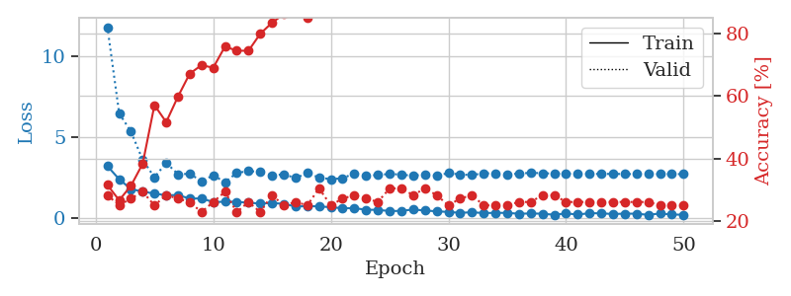
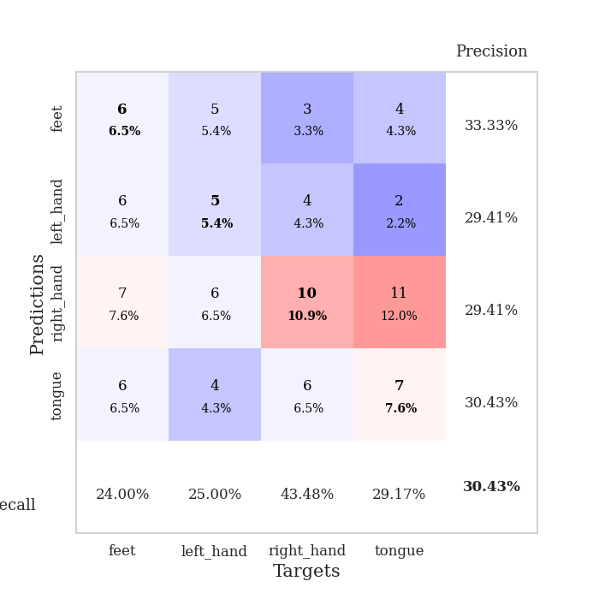
train_loss | valid_loss | train_accuracy | valid_accuracy | dur | train_misclass | valid_misclass
3.2003181219 | 11.78761391 | 0.3152173913 | 0.28260869565 | 0.034984827042 | 31.52173913 | 28.260869565
2.392216301 | 6.4602744683 | 0.26630434783 | 0.25 | 0.034083366394 | 26.630434783 | 25
1.7836084843 | 5.3389139175 | 0.3125 | 0.27173913043 | 0.034181594849 | 31.25 | 27.173913043
1.6260391474 | 3.5869602431 | 0.38315217391 | 0.29347826087 | 0.034180641174 | 38.315217391 | 29.347826087
1.5041328192 | 2.5065812546 | 0.57065217391 | 0.25 | 0.033717632294 | 57.065217391 | 25
1.401709199 | 3.4068174362 | 0.51630434783 | 0.28260869565 | 0.034177780151 | 51.630434783 | 28.260869565
1.4144341946 | 2.7022815062 | 0.59782608696 | 0.27173913043 | 0.033037662506 | 59.782608696 | 27.173913043
1.1954758883 | 2.7258802601 | 0.67119565217 | 0.26086956522 | 0.033280134201 | 67.119565217 | 26.086956522
1.2049656153 | 2.2773180423 | 0.69836956522 | 0.22826086957 | 0.03463101387 | 69.836956522 | 22.826086957
0.98074251413 | 2.6273070004 | 0.6902173913 | 0.26086956522 | 0.033931970596 | 69.02173913 | 26.086956522
1.0019970894 | 2.2157237426 | 0.75815217391 | 0.29347826087 | 0.033007144928 | 75.815217391 | 29.347826087
0.9961520195 | 2.7794602125 | 0.74456521739 | 0.22826086957 | 0.032884120941 | 74.456521739 | 22.826086957
0.93920139074 | 2.8963301493 | 0.74456521739 | 0.26086956522 | 0.032990932465 | 74.456521739 | 26.086956522
0.88951871395 | 2.8483148347 | 0.79891304348 | 0.22826086957 | 0.033005237579 | 79.891304348 | 22.826086957
0.92559136152 | 2.6159730372 | 0.83423913043 | 0.28260869565 | 0.033112764359 | 83.423913043 | 28.260869565
0.86722224951 | 2.6994623205 | 0.86141304348 | 0.25 | 0.033123254776 | 86.141304348 | 25
0.7132750392 | 2.4618022131 | 0.88043478261 | 0.26086956522 | 0.033588171005 | 88.043478261 | 26.086956522
0.72267830372 | 2.768870872 | 0.85054347826 | 0.25 | 0.033404350281 | 85.054347826 | 25
0.71896476746 | 2.4940597493 | 0.91847826087 | 0.30434782609 | 0.033120155334 | 91.847826087 | 30.434782609
0.6561418891 | 2.3951822986 | 0.91847826087 | 0.25 | 0.034284353256 | 91.847826087 | 25
0.60329424143 | 2.4528520522 | 0.91576086957 | 0.27173913043 | 0.035171985626 | 91.576086957 | 27.173913043
0.60102186203 | 2.7522597209 | 0.90489130435 | 0.28260869565 | 0.03397321701 | 90.489130435 | 28.260869565
0.5068424046 | 2.6160383846 | 0.9375 | 0.27173913043 | 0.033176660538 | 93.75 | 27.173913043
0.49923875928 | 2.6501347397 | 0.95380434783 | 0.26086956522 | 0.033894538879 | 95.380434783 | 26.086956522
0.42421768904 | 2.7220600792 | 0.9375 | 0.30434782609 | 0.032639980316 | 93.75 | 30.434782609
0.43590507507 | 2.6754957282 | 0.95108695652 | 0.30434782609 | 0.034274816513 | 95.108695652 | 30.434782609
0.52046500444 | 2.6055942411 | 0.98641304348 | 0.28260869565 | 0.034293413162 | 98.641304348 | 28.260869565
0.4573091805 | 2.6982134632 | 0.97282608696 | 0.30434782609 | 0.033535480499 | 97.282608696 | 30.434782609
0.40978377461 | 2.6190762727 | 0.98369565217 | 0.28260869565 | 0.034222841263 | 98.369565217 | 28.260869565
0.36915452182 | 2.7669809798 | 0.98369565217 | 0.25 | 0.033263921738 | 98.369565217 | 25
0.31588625312 | 2.6871235371 | 0.99184782609 | 0.27173913043 | 0.032877206802 | 99.184782609 | 27.173913043
0.35063637495 | 2.6479034631 | 0.98913043478 | 0.28260869565 | 0.034272909164 | 98.913043478 | 28.260869565
0.30046493411 | 2.763232625 | 0.98913043478 | 0.25 | 0.033496856689 | 98.913043478 | 25
0.31418755949 | 2.7408012515 | 0.98913043478 | 0.25 | 0.034206390381 | 98.913043478 | 25
0.31244598031 | 2.6866489804 | 0.98913043478 | 0.25 | 0.033693313599 | 98.913043478 | 25
0.25832304955 | 2.7417156385 | 0.98913043478 | 0.26086956522 | 0.033175945282 | 98.913043478 | 26.086956522
0.27675037682 | 2.7882253916 | 0.98913043478 | 0.26086956522 | 0.0328104496 | 98.913043478 | 26.086956522
0.26027209163 | 2.7654992705 | 0.99456521739 | 0.28260869565 | 0.034230470657 | 99.456521739 | 28.260869565
0.19539580643 | 2.7399024756 | 0.9972826087 | 0.28260869565 | 0.034185886383 | 99.72826087 | 28.260869565
0.27908523679 | 2.7452125653 | 1 | 0.26086956522 | 0.034237384796 | 100 | 26.086956522
0.20943044126 | 2.7236452517 | 1 | 0.26086956522 | 0.034291267395 | 100 | 26.086956522
0.2923116684 | 2.7203094441 | 0.9972826087 | 0.26086956522 | 0.033416509628 | 99.72826087 | 26.086956522
0.28534705937 | 2.7190577984 | 0.9972826087 | 0.26086956522 | 0.033893108368 | 99.72826087 | 26.086956522
0.23960792273 | 2.7202601847 | 0.9972826087 | 0.26086956522 | 0.033530473709 | 99.72826087 | 26.086956522
0.26580476165 | 2.7142941848 | 0.9972826087 | 0.26086956522 | 0.034107208252 | 99.72826087 | 26.086956522
0.2605612278 | 2.708147899 | 0.9972826087 | 0.26086956522 | 0.034379959106 | 99.72826087 | 26.086956522
0.19114901125 | 2.7078434488 | 0.9972826087 | 0.26086956522 | 0.034155607224 | 99.72826087 | 26.086956522
0.27371193767 | 2.7074873344 | 0.9972826087 | 0.25 | 0.033049583435 | 99.72826087 | 25
0.20993149281 | 2.7077996834 | 0.9972826087 | 0.25 | 0.033121824265 | 99.72826087 | 25
0.19812111855 | 2.7080224182 | 0.9972826087 | 0.25 | 0.033087968826 | 99.72826087 | 25

Best Val accuracy is 0.30434782608695654 and Best test accuracy is 0.3275862068965517

Sheet3
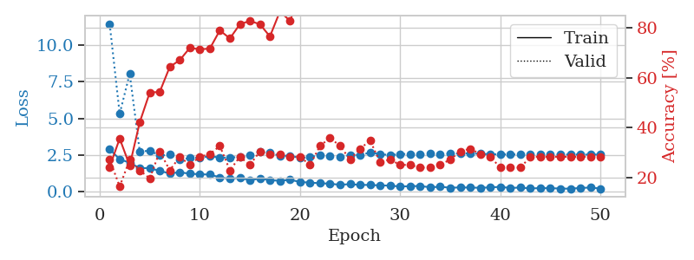
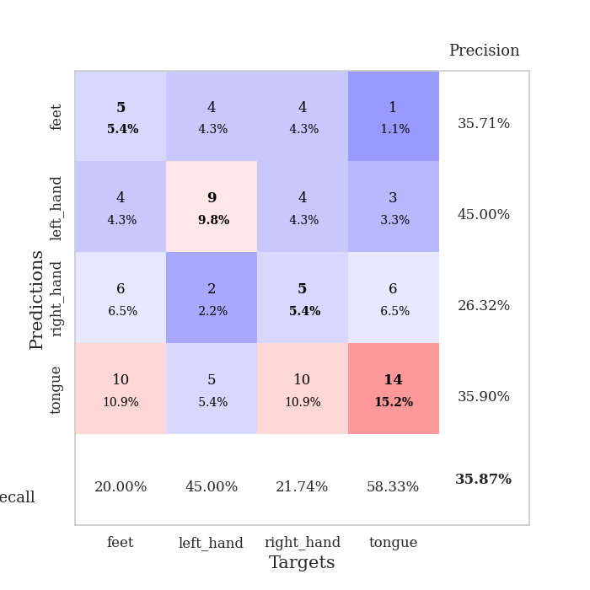
train_loss | valid_loss | train_accuracy | valid_accuracy | dur | train_misclass | valid_misclass
2.8915603399 | 11.454537101 | 0.24184782609 | 0.27173913043 | 0.034575939178 | 24.184782609 | 27.173913043
2.196238637 | 5.3041191308 | 0.35597826087 | 0.16304347826 | 0.033737182617 | 35.597826087 | 16.304347826
1.9688608408 | 8.0471366385 | 0.2472826087 | 0.27173913043 | 0.032455682755 | 24.72826087 | 27.173913043
1.5940897226 | 2.7447723513 | 0.42119565217 | 0.22826086957 | 0.032518148422 | 42.119565217 | 22.826086957
1.6038669586 | 2.7752168697 | 0.54076086957 | 0.19565217391 | 0.032522439957 | 54.076086957 | 19.565217391
1.3991529703 | 2.4649411077 | 0.54347826087 | 0.30434782609 | 0.03306388855 | 54.347826087 | 30.434782609
1.2371980429 | 2.5132304585 | 0.64402173913 | 0.22826086957 | 0.03285908699 | 64.402173913 | 22.826086957
1.31323421 | 2.1797044899 | 0.67119565217 | 0.28260869565 | 0.032585859299 | 67.119565217 | 28.260869565
1.2154978633 | 2.2816317807 | 0.72010869565 | 0.25 | 0.032588720322 | 72.010869565 | 25
1.1789485455 | 2.3107999822 | 0.71467391304 | 0.28260869565 | 0.032636880875 | 71.467391304 | 28.260869565
1.1553675056 | 2.3959041575 | 0.71739130435 | 0.29347826087 | 0.032539606094 | 71.739130435 | 29.347826087
0.96705946922 | 2.3313833009 | 0.79076086957 | 0.32608695652 | 0.032611608505 | 79.076086957 | 32.608695652
0.86704827547 | 2.2997864329 | 0.75815217391 | 0.22826086957 | 0.033507108688 | 75.815217391 | 22.826086957
0.93584628105 | 2.380622418 | 0.8152173913 | 0.28260869565 | 0.032619476318 | 81.52173913 | 28.260869565
0.76751645803 | 2.4825881668 | 0.82880434783 | 0.25 | 0.032522916794 | 82.880434783 | 25
0.88230764866 | 2.6969462374 | 0.8152173913 | 0.30434782609 | 0.032536745071 | 81.52173913 | 30.434782609
0.77445039749 | 2.6758569531 | 0.76630434783 | 0.29347826087 | 0.03267121315 | 76.630434783 | 29.347826087
0.72961422205 | 2.4225495484 | 0.86684782609 | 0.29347826087 | 0.032495260239 | 86.684782609 | 29.347826087
0.8010858655 | 2.449482358 | 0.82880434783 | 0.28260869565 | 0.032505989075 | 82.880434783 | 28.260869565
0.65292826891 | 2.2801758932 | 0.93206521739 | 0.28260869565 | 0.032655954361 | 93.206521739 | 28.260869565
0.60462799668 | 2.3509253419 | 0.91032608696 | 0.25 | 0.032440423965 | 91.032608696 | 25
0.56503264904 | 2.4851866494 | 0.9402173913 | 0.32608695652 | 0.032443761826 | 94.02173913 | 32.608695652
0.53196945786 | 2.4287890766 | 0.95108695652 | 0.35869565217 | 0.032429456711 | 95.108695652 | 35.869565217
0.45745446086 | 2.3837125716 | 0.97282608696 | 0.32608695652 | 0.033457279205 | 97.282608696 | 32.608695652
0.50325322151 | 2.4760511751 | 0.96195652174 | 0.27173913043 | 0.032628774643 | 96.195652174 | 27.173913043
0.4480173707 | 2.5048540882 | 0.95652173913 | 0.3152173913 | 0.03257894516 | 95.652173913 | 31.52173913
0.44724376202 | 2.6486860047 | 0.96467391304 | 0.34782608696 | 0.032642841339 | 96.467391304 | 34.782608696
0.41226807237 | 2.5549715809 | 0.98913043478 | 0.26086956522 | 0.03263759613 | 98.913043478 | 26.086956522
0.40602907538 | 2.4850521088 | 0.96739130435 | 0.27173913043 | 0.032598733902 | 96.739130435 | 27.173913043
0.33613743782 | 2.5549696114 | 0.96739130435 | 0.25 | 0.03257894516 | 96.739130435 | 25
0.36368744969 | 2.5681473483 | 0.97826086957 | 0.25 | 0.032606124878 | 97.826086957 | 25
0.37357449532 | 2.5399928922 | 0.99456521739 | 0.23913043478 | 0.032554149628 | 99.456521739 | 23.913043478
0.28589769304 | 2.5761067971 | 0.99184782609 | 0.23913043478 | 0.032505989075 | 99.184782609 | 23.913043478
0.32557390332 | 2.5708308635 | 0.9972826087 | 0.25 | 0.032473087311 | 99.72826087 | 25
0.25317148417 | 2.579879201 | 0.99184782609 | 0.27173913043 | 0.032531499863 | 99.184782609 | 27.173913043
0.27873593569 | 2.6009218174 | 0.98641304348 | 0.30434782609 | 0.032522916794 | 98.641304348 | 30.434782609
0.26415906847 | 2.6031259143 | 0.99184782609 | 0.3152173913 | 0.032464504242 | 99.184782609 | 31.52173913
0.25462577641 | 2.5729819381 | 0.9972826087 | 0.29347826087 | 0.03250837326 | 99.72826087 | 29.347826087
0.27722159326 | 2.5467190846 | 1 | 0.28260869565 | 0.032367944717 | 100 | 28.260869565
0.31834873259 | 2.5406782938 | 1 | 0.23913043478 | 0.034911632538 | 100 | 23.913043478
0.23594077826 | 2.5367905057 | 0.9972826087 | 0.23913043478 | 0.033089637756 | 99.72826087 | 23.913043478
0.27281836569 | 2.5293797306 | 1 | 0.23913043478 | 0.033035755157 | 100 | 23.913043478
0.20542115569 | 2.5226826253 | 1 | 0.28260869565 | 0.032552957535 | 100 | 28.260869565
0.23450680971 | 2.5232737997 | 1 | 0.28260869565 | 0.032392978668 | 100 | 28.260869565
0.2231837213 | 2.5249840073 | 1 | 0.28260869565 | 0.03280043602 | 100 | 28.260869565
0.20357783139 | 2.52456239 | 1 | 0.28260869565 | 0.032766103745 | 100 | 28.260869565
0.18947659433 | 2.5253576507 | 1 | 0.28260869565 | 0.032725334167 | 100 | 28.260869565
0.24218845069 | 2.5229947256 | 1 | 0.28260869565 | 0.032668352127 | 100 | 28.260869565
0.26746884584 | 2.52256976 | 1 | 0.28260869565 | 0.03271484375 | 100 | 28.260869565
0.20083481967 | 2.5232534616 | 1 | 0.28260869565 | 0.032776355743 | 100 | 28.260869565

Best Val accuracy is 0.358695652173913 and Best test accuracy is 0.3448275862068966

Sheet4
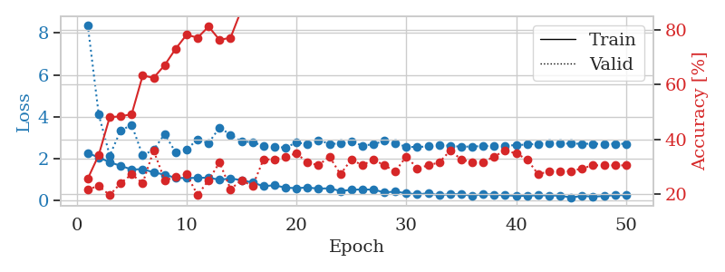
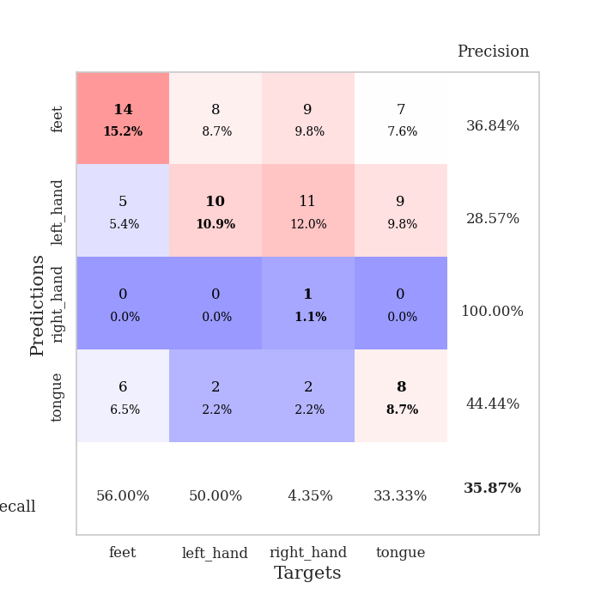
train_loss | valid_loss | train_accuracy | valid_accuracy | dur | train_misclass | valid_misclass
2.2717294693 | 8.3882858857 | 0.25543478261 | 0.21739130435 | 0.035590648651 | 25.543478261 | 21.739130435
2.0571037054 | 4.1068879625 | 0.34239130435 | 0.22826086957 | 0.034441947937 | 34.239130435 | 22.826086957
1.8334387064 | 2.1516014493 | 0.48097826087 | 0.19565217391 | 0.036508321762 | 48.097826087 | 19.565217391
1.6548785686 | 3.3508210493 | 0.48369565217 | 0.23913043478 | 0.032516241074 | 48.369565217 | 23.913043478
1.4850081921 | 3.609321532 | 0.49184782609 | 0.27173913043 | 0.033975362778 | 49.184782609 | 27.173913043
1.49758389 | 2.1560031124 | 0.63315217391 | 0.23913043478 | 0.03399848938 | 63.315217391 | 23.913043478
1.3472642422 | 2.4257827323 | 0.625 | 0.35869565217 | 0.033428192139 | 62.5 | 35.869565217
1.2349714041 | 3.1731983579 | 0.67119565217 | 0.25 | 0.033925533295 | 67.119565217 | 25
1.0856459498 | 2.3062361323 | 0.73097826087 | 0.26086956522 | 0.032544136047 | 73.097826087 | 26.086956522
1.0701874495 | 2.4537181025 | 0.78260869565 | 0.27173913043 | 0.032384395599 | 78.260869565 | 27.173913043
1.0894876003 | 2.9090988843 | 0.77173913043 | 0.19565217391 | 0.032382011414 | 77.173913043 | 19.565217391
1.0880597234 | 2.7448775872 | 0.8125 | 0.25 | 0.032644748688 | 81.25 | 25
0.99513623714 | 3.4921028303 | 0.76358695652 | 0.3152173913 | 0.032410383224 | 76.358695652 | 31.52173913
1.0559208751 | 3.1412110847 | 0.77173913043 | 0.21739130435 | 0.033245325089 | 77.173913043 | 21.739130435
0.97102768421 | 2.816260711 | 0.875 | 0.25 | 0.033836841583 | 87.5 | 25
0.86273291111 | 2.7980203525 | 0.875 | 0.22826086957 | 0.033798933029 | 87.5 | 22.826086957
0.68484338522 | 2.59766588 | 0.8722826087 | 0.32608695652 | 0.033047437668 | 87.22826087 | 32.608695652
0.73179550171 | 2.555871497 | 0.89130434783 | 0.32608695652 | 0.032495737076 | 89.130434783 | 32.608695652
0.61436330676 | 2.5339017122 | 0.93206521739 | 0.33695652174 | 0.0339884758 | 93.206521739 | 33.695652174
0.59235835075 | 2.7665794829 | 0.89402173913 | 0.34782608696 | 0.033996582031 | 89.402173913 | 34.782608696
0.62278391123 | 2.6986901034 | 0.90489130435 | 0.3152173913 | 0.033848762512 | 90.489130435 | 31.52173913
0.56949132681 | 2.8825738534 | 0.90217391304 | 0.30434782609 | 0.033849239349 | 90.217391304 | 30.434782609
0.58493492603 | 2.7105683347 | 0.92663043478 | 0.33695652174 | 0.033816576004 | 92.663043478 | 33.695652174
0.45649392009 | 2.7177730954 | 0.9375 | 0.27173913043 | 0.033968925476 | 93.75 | 27.173913043
0.51168109775 | 2.8197566115 | 0.95652173913 | 0.32608695652 | 0.033149003983 | 95.652173913 | 32.608695652
0.53455425501 | 2.6216288339 | 0.97282608696 | 0.30434782609 | 0.033925294876 | 97.282608696 | 30.434782609
0.51864320636 | 2.6906463582 | 0.98913043478 | 0.32608695652 | 0.033726453781 | 98.913043478 | 32.608695652
0.39382480383 | 2.8481341756 | 0.98913043478 | 0.30434782609 | 0.034118413925 | 98.913043478 | 30.434782609
0.42470568419 | 2.7343299596 | 0.98913043478 | 0.28260869565 | 0.033089876175 | 98.913043478 | 28.260869565
0.35083871186 | 2.5651935805 | 0.99184782609 | 0.33695652174 | 0.033016443253 | 99.184782609 | 33.695652174
0.29443688691 | 2.555991888 | 0.98913043478 | 0.29347826087 | 0.033390522003 | 98.913043478 | 29.347826087
0.34739832878 | 2.5878605843 | 1 | 0.30434782609 | 0.034231901169 | 100 | 30.434782609
0.25017720759 | 2.6528179438 | 0.9972826087 | 0.3152173913 | 0.033137321472 | 99.72826087 | 31.52173913
0.30910647511 | 2.6185999228 | 1 | 0.35869565217 | 0.033007383347 | 100 | 35.869565217
0.30208590031 | 2.5681149752 | 1 | 0.32608695652 | 0.032995700836 | 100 | 32.608695652
0.23072664738 | 2.5842694925 | 1 | 0.3152173913 | 0.03306889534 | 100 | 31.52173913
0.31187579036 | 2.5994374648 | 1 | 0.3152173913 | 0.03312420845 | 100 | 31.52173913
0.27782359719 | 2.6180625791 | 1 | 0.33695652174 | 0.035123348236 | 100 | 33.695652174
0.25036755204 | 2.619615814 | 1 | 0.35869565217 | 0.033133745193 | 100 | 35.869565217
0.22713417411 | 2.648566132 | 1 | 0.34782608696 | 0.032944202423 | 100 | 34.782608696
0.22628246844 | 2.6752351471 | 1 | 0.32608695652 | 0.032838344574 | 100 | 32.608695652
0.2510648042 | 2.7120230302 | 1 | 0.27173913043 | 0.032977581024 | 100 | 27.173913043
0.2457400769 | 2.7387093772 | 1 | 0.28260869565 | 0.033231735229 | 100 | 28.260869565
0.22974857092 | 2.7291275418 | 1 | 0.28260869565 | 0.033112764359 | 100 | 28.260869565
0.14923829734 | 2.719984604 | 1 | 0.28260869565 | 0.033077716827 | 100 | 28.260869565
0.21900582314 | 2.7142273965 | 1 | 0.29347826087 | 0.03311419487 | 100 | 29.347826087
0.19155469984 | 2.7106363981 | 1 | 0.30434782609 | 0.033050775528 | 100 | 30.434782609
0.21366229951 | 2.7085366145 | 1 | 0.30434782609 | 0.033126592636 | 100 | 30.434782609
0.26182394624 | 2.7107264788 | 1 | 0.30434782609 | 0.033047437668 | 100 | 30.434782609
0.25530140698 | 2.70890975 | 1 | 0.30434782609 | 0.033726930618 | 100 | 30.434782609

Best Val accuracy is 0.358695652173913 and Best test accuracy is 0.3620689655172414

Sheet5
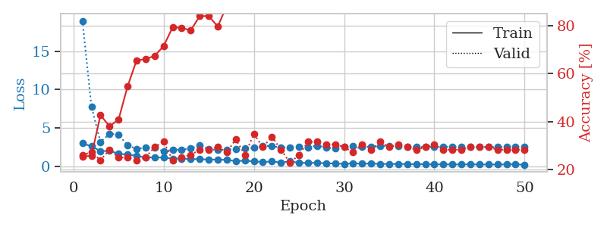
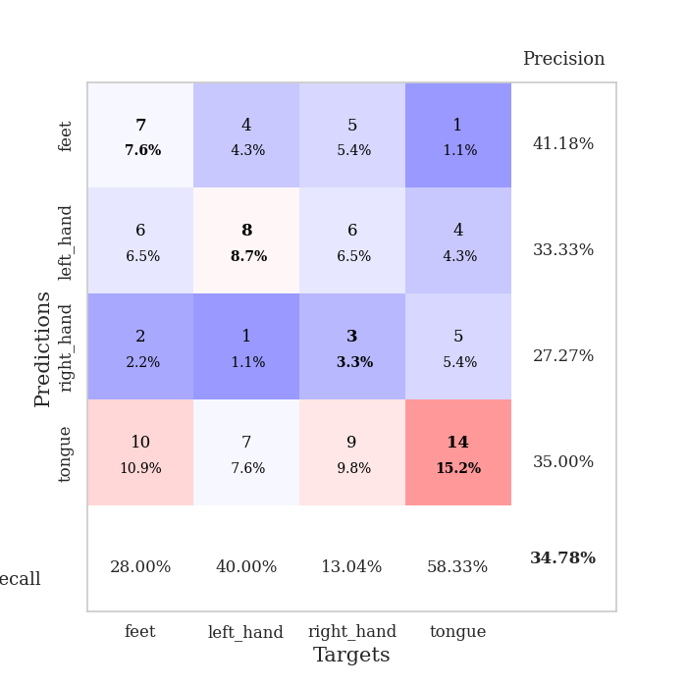
train_loss | valid_loss | train_accuracy | valid_accuracy | dur | train_misclass | valid_misclass
2.9972623587 | 18.977168373 | 0.2527173913 | 0.26086956522 | 0.034338474274 | 25.27173913 | 26.086956522
2.5820004225 | 7.7892597862 | 0.25815217391 | 0.27173913043 | 0.033722639084 | 25.815217391 | 27.173913043
1.9769341707 | 3.1558193642 | 0.42663043478 | 0.23913043478 | 0.033675193787 | 42.663043478 | 23.913043478
1.9950036287 | 4.2167135736 | 0.38043478261 | 0.28260869565 | 0.033319473267 | 38.043478261 | 28.260869565
1.6407683134 | 4.1580294733 | 0.40760869565 | 0.25 | 0.03334069252 | 40.760869565 | 25
1.4978363752 | 2.6991849982 | 0.54619565217 | 0.25 | 0.032564163208 | 54.619565217 | 25
1.3737644434 | 2.2720650175 | 0.65489130435 | 0.23913043478 | 0.033648252487 | 65.489130435 | 23.913043478
1.1198611975 | 2.3947007656 | 0.66032608696 | 0.25 | 0.032325983047 | 66.032608696 | 25
1.1613821507 | 2.4344026524 | 0.67391304348 | 0.29347826087 | 0.032389640808 | 67.391304348 | 29.347826087
1.1202700138 | 1.913237779 | 0.71467391304 | 0.3152173913 | 0.033692121506 | 71.467391304 | 31.52173913
0.97856256962 | 2.1608911079 | 0.79347826087 | 0.23913043478 | 0.03217959404 | 79.347826087 | 23.913043478
0.99915027618 | 2.1507618427 | 0.79076086957 | 0.25 | 0.032232999802 | 79.076086957 | 25
0.91801730394 | 2.3353890025 | 0.77989130435 | 0.26086956522 | 0.032072544098 | 77.989130435 | 26.086956522
0.92659436464 | 2.6987352682 | 0.83967391304 | 0.28260869565 | 0.032358884811 | 83.967391304 | 28.260869565
0.85979266167 | 2.194359655 | 0.83967391304 | 0.28260869565 | 0.032291650772 | 83.967391304 | 28.260869565
0.86348323822 | 2.1310731535 | 0.79619565217 | 0.29347826087 | 0.032508134842 | 79.619565217 | 29.347826087
0.81827718019 | 2.1161874999 | 0.88315217391 | 0.27173913043 | 0.03262090683 | 88.315217391 | 27.173913043
0.67489528656 | 2.2723422672 | 0.875 | 0.32608695652 | 0.032972812653 | 87.5 | 32.608695652
0.70724253654 | 2.3648032313 | 0.88315217391 | 0.26086956522 | 0.03338432312 | 88.315217391 | 26.086956522
0.63171977997 | 2.3960771768 | 0.91847826087 | 0.34782608696 | 0.033500671387 | 91.847826087 | 34.782608696
0.53159236312 | 2.6539267457 | 0.92119565217 | 0.29347826087 | 0.033841609955 | 92.119565217 | 29.347826087
0.62794891 | 2.6017491196 | 0.92934782609 | 0.33695652174 | 0.032566547394 | 92.934782609 | 33.695652174
0.47273164988 | 2.443192057 | 0.9347826087 | 0.28260869565 | 0.032645463943 | 93.47826087 | 28.260869565
0.62316108942 | 2.4509841152 | 0.9347826087 | 0.22826086957 | 0.032612323761 | 93.47826087 | 22.826086957
0.44843865037 | 2.5649716439 | 0.94565217391 | 0.26086956522 | 0.032466888428 | 94.565217391 | 26.086956522
0.43547441363 | 2.4491487275 | 0.96467391304 | 0.3152173913 | 0.032486915588 | 96.467391304 | 31.52173913
0.43696298003 | 2.6729452817 | 0.93206521739 | 0.3152173913 | 0.032571315765 | 93.206521739 | 31.52173913
0.37686542869 | 2.4672776098 | 0.96195652174 | 0.30434782609 | 0.03248667717 | 96.195652174 | 30.434782609
0.35153426826 | 2.3073863361 | 0.98369565217 | 0.30434782609 | 0.033243656158 | 98.369565217 | 30.434782609
0.30472667217 | 2.5297589198 | 0.96739130435 | 0.29347826087 | 0.032759904861 | 96.739130435 | 29.347826087
0.37110416889 | 2.6475211745 | 0.97282608696 | 0.27173913043 | 0.033250331879 | 97.282608696 | 27.173913043
0.32089723647 | 2.5238776933 | 0.98097826087 | 0.30434782609 | 0.032652139664 | 98.097826087 | 30.434782609
0.35121557117 | 2.528254084 | 0.98641304348 | 0.28260869565 | 0.032588005066 | 98.641304348 | 28.260869565
0.29976871908 | 2.5850557866 | 0.98641304348 | 0.3152173913 | 0.032676458359 | 98.641304348 | 31.52173913
0.28743325472 | 2.6667842761 | 0.98641304348 | 0.29347826087 | 0.032712936401 | 98.641304348 | 29.347826087
0.28145666718 | 2.5885673295 | 0.9972826087 | 0.30434782609 | 0.032589197159 | 99.72826087 | 30.434782609
0.2837954253 | 2.5128946097 | 1 | 0.29347826087 | 0.032492399216 | 100 | 29.347826087
0.26265086234 | 2.5094797404 | 0.9972826087 | 0.28260869565 | 0.032500505447 | 99.72826087 | 28.260869565
0.26216835976 | 2.5099367162 | 1 | 0.29347826087 | 0.032432317734 | 100 | 29.347826087
0.23732628822 | 2.5197084054 | 1 | 0.30434782609 | 0.032434940338 | 100 | 30.434782609
0.24503864944 | 2.5083924376 | 1 | 0.28260869565 | 0.03249001503 | 100 | 28.260869565
0.22800587118 | 2.5052454783 | 0.9972826087 | 0.28260869565 | 0.032426834106 | 99.72826087 | 28.260869565
0.23888162076 | 2.5092676204 | 0.9972826087 | 0.28260869565 | 0.032420635223 | 99.72826087 | 28.260869565
0.23616496325 | 2.5057087981 | 0.9972826087 | 0.29347826087 | 0.032428026199 | 99.72826087 | 29.347826087
0.23816224635 | 2.4990188868 | 0.9972826087 | 0.29347826087 | 0.032685041428 | 99.72826087 | 29.347826087
0.21057927907 | 2.493889166 | 1 | 0.29347826087 | 0.032382249832 | 100 | 29.347826087
0.22541782558 | 2.4945037676 | 1 | 0.28260869565 | 0.032476186752 | 100 | 28.260869565
0.23446622789 | 2.4958684963 | 1 | 0.28260869565 | 0.032497882843 | 100 | 28.260869565
0.24890996218 | 2.4961100661 | 1 | 0.28260869565 | 0.03253865242 | 100 | 28.260869565
0.18647222817 | 2.4962280004 | 1 | 0.28260869565 | 0.032488584518 | 100 | 28.260869565

Best Val accuracy is 0.34782608695652173 and Best test accuracy is 0.31896551724137934

Sheet6
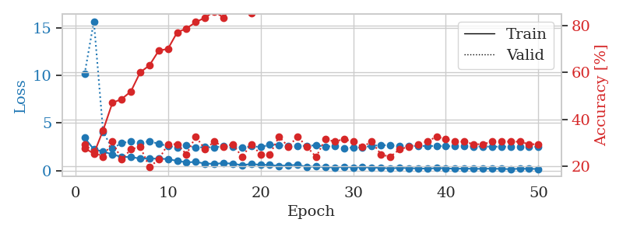
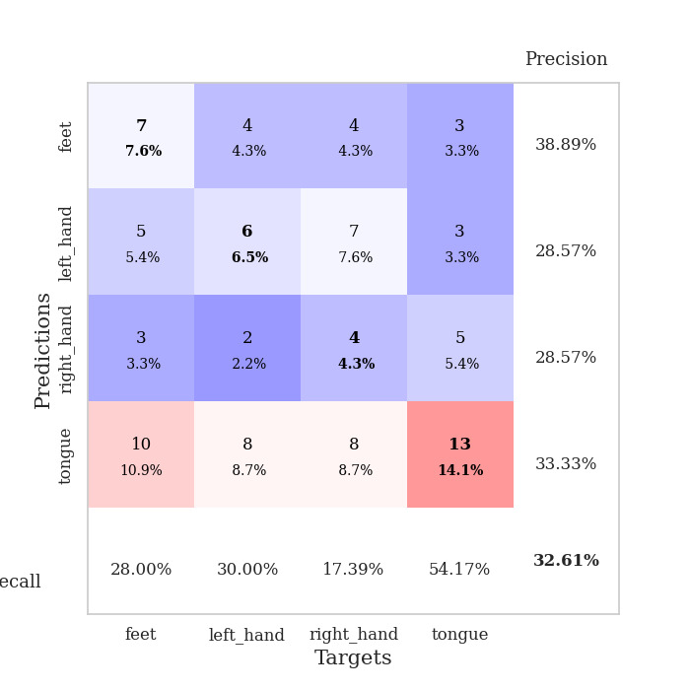
train_loss | valid_loss | train_accuracy | valid_accuracy | dur | train_misclass | valid_misclass
3.4609360695 | 10.14752417 | 0.27717391304 | 0.29347826087 | 0.034586429596 | 27.717391304 | 29.347826087
2.2405558825 | 15.662739837 | 0.2527173913 | 0.26086956522 | 0.03351187706 | 25.27173913 | 26.086956522
2.0207685471 | 4.0578024906 | 0.35326086957 | 0.23913043478 | 0.032424926758 | 35.326086957 | 23.913043478
1.7116052151 | 2.3284198201 | 0.47010869565 | 0.30434782609 | 0.032401323318 | 47.010869565 | 30.434782609
1.4611575603 | 2.9172705982 | 0.48641304348 | 0.22826086957 | 0.03277349472 | 48.641304348 | 22.826086957
1.4400424719 | 3.0601940362 | 0.51902173913 | 0.27173913043 | 0.032450914383 | 51.902173913 | 27.173913043
1.2809707403 | 2.9341093872 | 0.60054347826 | 0.28260869565 | 0.032396554947 | 60.054347826 | 28.260869565
1.2817355633 | 3.1020507812 | 0.63043478261 | 0.19565217391 | 0.032411336899 | 63.043478261 | 19.565217391
1.2740969181 | 2.8222817649 | 0.69293478261 | 0.22826086957 | 0.032362937927 | 69.293478261 | 22.826086957
1.2299958229 | 2.6035457383 | 0.70108695652 | 0.29347826087 | 0.032427072525 | 70.108695652 | 29.347826087
1.0323186994 | 2.4141250071 | 0.77173913043 | 0.29347826087 | 0.032443761826 | 77.173913043 | 29.347826087
0.88525072336 | 2.6720363264 | 0.78804347826 | 0.25 | 0.032427072525 | 78.804347826 | 25
0.92809072733 | 2.4157088736 | 0.8152173913 | 0.32608695652 | 0.033179759979 | 81.52173913 | 32.608695652
0.7618730545 | 2.4887182298 | 0.83423913043 | 0.27173913043 | 0.033173322678 | 83.423913043 | 27.173913043
0.72864727974 | 2.4351762896 | 0.86141304348 | 0.30434782609 | 0.033336877823 | 86.141304348 | 30.434782609
0.80192189217 | 2.5935100887 | 0.83423913043 | 0.28260869565 | 0.033163070679 | 83.423913043 | 28.260869565
0.74877711535 | 2.510837161 | 0.89130434783 | 0.29347826087 | 0.032916069031 | 89.130434783 | 29.347826087
0.58287057281 | 2.4476183497 | 0.89402173913 | 0.23913043478 | 0.03262591362 | 89.402173913 | 23.913043478
0.71545726061 | 2.5696719937 | 0.85326086957 | 0.29347826087 | 0.032715320587 | 85.326086957 | 29.347826087
0.61856604218 | 2.4860118472 | 0.89402173913 | 0.25 | 0.032474040985 | 89.402173913 | 25
0.62028537393 | 2.7254767211 | 0.95108695652 | 0.25 | 0.032740116119 | 95.108695652 | 25
0.50186283588 | 2.684610854 | 0.93206521739 | 0.32608695652 | 0.03258061409 | 93.206521739 | 32.608695652
0.58791314363 | 2.6175245409 | 0.92391304348 | 0.28260869565 | 0.032607316971 | 92.391304348 | 28.260869565
0.6082147181 | 2.5955518432 | 0.94836956522 | 0.32608695652 | 0.032584667206 | 94.836956522 | 32.608695652
0.40549145937 | 2.6231793943 | 0.95923913043 | 0.28260869565 | 0.032576799393 | 95.923913043 | 28.260869565
0.44788503051 | 2.6658439118 | 0.97554347826 | 0.23913043478 | 0.032626867294 | 97.554347826 | 23.913043478
0.38354590237 | 2.5421138639 | 0.97826086957 | 0.3152173913 | 0.032665014267 | 97.826086957 | 31.52173913
0.33756462634 | 2.5860153074 | 0.95923913043 | 0.30434782609 | 0.032695531845 | 95.923913043 | 30.434782609
0.41885507703 | 2.3604433433 | 0.97010869565 | 0.3152173913 | 0.032655954361 | 97.010869565 | 31.52173913
0.35429593921 | 2.443747054 | 0.98913043478 | 0.30434782609 | 0.03266453743 | 98.913043478 | 30.434782609
0.38337482214 | 2.461509518 | 0.98641304348 | 0.28260869565 | 0.032595872879 | 98.641304348 | 28.260869565
0.32197444737 | 2.60162877 | 0.98641304348 | 0.30434782609 | 0.032641410828 | 98.641304348 | 30.434782609
0.30867269635 | 2.7056193144 | 0.99184782609 | 0.25 | 0.032664775848 | 99.184782609 | 25
0.24805622101 | 2.6459207949 | 0.9972826087 | 0.23913043478 | 0.032531023026 | 99.72826087 | 23.913043478
0.31317409873 | 2.6346410565 | 0.9972826087 | 0.27173913043 | 0.032685041428 | 99.72826087 | 27.173913043
0.27262922525 | 2.6042895006 | 0.99456521739 | 0.28260869565 | 0.032693624496 | 99.456521739 | 28.260869565
0.26153571308 | 2.599699435 | 0.99456521739 | 0.29347826087 | 0.032655000687 | 99.456521739 | 29.347826087
0.22075222135 | 2.5986950087 | 0.99456521739 | 0.30434782609 | 0.032603740692 | 99.456521739 | 30.434782609
0.28753272295 | 2.5955561451 | 0.9972826087 | 0.32608695652 | 0.032563686371 | 99.72826087 | 32.608695652
0.26982684731 | 2.5809723398 | 1 | 0.3152173913 | 0.034781455994 | 100 | 31.52173913
0.20367437303 | 2.5655607452 | 1 | 0.30434782609 | 0.031903028488 | 100 | 30.434782609
0.24081062973 | 2.5568702014 | 1 | 0.30434782609 | 0.032698392868 | 100 | 30.434782609
0.19903734922 | 2.5470493462 | 1 | 0.29347826087 | 0.032399654388 | 100 | 29.347826087
0.21358326077 | 2.5392521879 | 1 | 0.29347826087 | 0.032451629639 | 100 | 29.347826087
0.22770116627 | 2.5306385082 | 1 | 0.30434782609 | 0.032704591751 | 100 | 30.434782609
0.19516656101 | 2.5265880875 | 1 | 0.30434782609 | 0.032886505127 | 100 | 30.434782609
0.17436019033 | 2.521317596 | 1 | 0.30434782609 | 0.032787799835 | 100 | 30.434782609
0.21958456337 | 2.52009766 | 1 | 0.30434782609 | 0.03281378746 | 100 | 30.434782609
0.20445718467 | 2.5196631266 | 1 | 0.29347826087 | 0.032817363739 | 100 | 29.347826087
0.19339409173 | 2.5192164442 | 1 | 0.29347826087 | 0.032736301422 | 100 | 29.347826087

Best Val accuracy is 0.32608695652173914 and Best test accuracy is 0.3620689655172414

Sheet7
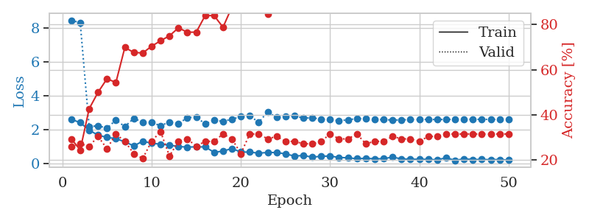
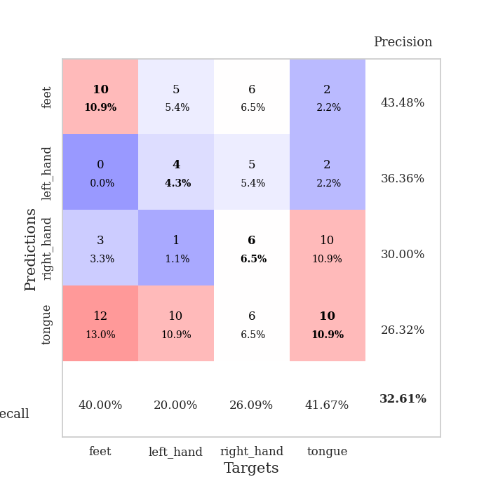
train_loss | valid_loss | train_accuracy | valid_accuracy | dur | train_misclass | valid_misclass
2.6183128357 | 8.4595844849 | 0.29347826087 | 0.26086956522 | 0.034329891205 | 29.347826087 | 26.086956522
2.4255692482 | 8.315008661 | 0.24456521739 | 0.27173913043 | 0.034504652023 | 24.456521739 | 27.173913043
1.98151896 | 2.185644098 | 0.42663043478 | 0.26086956522 | 0.031463384628 | 42.663043478 | 26.086956522
1.6849791765 | 2.2404492627 | 0.5 | 0.30434782609 | 0.03164434433 | 50 | 30.434782609
1.5539873123 | 2.0963183486 | 0.5597826087 | 0.25 | 0.031911611557 | 55.97826087 | 25
1.4771781206 | 2.5793957814 | 0.54347826087 | 0.3152173913 | 0.032366514206 | 54.347826087 | 31.52173913
1.2954766035 | 2.1863031076 | 0.69836956522 | 0.28260869565 | 0.03303861618 | 69.836956522 | 28.260869565
1.0510650158 | 2.677736386 | 0.67663043478 | 0.22826086957 | 0.032046318054 | 67.663043478 | 22.826086957
1.3286505222 | 2.4449614649 | 0.67391304348 | 0.20652173913 | 0.032301664352 | 67.391304348 | 20.652173913
1.208517766 | 2.4359311125 | 0.70380434783 | 0.28260869565 | 0.03235411644 | 70.380434783 | 28.260869565
1.1529042959 | 2.2408712014 | 0.72826086957 | 0.32608695652 | 0.03226518631 | 72.826086957 | 32.608695652
1.1010498762 | 2.4651880472 | 0.75 | 0.21739130435 | 0.032544612885 | 75 | 21.739130435
1.0105459213 | 2.3632196654 | 0.78532608696 | 0.28260869565 | 0.032295465469 | 78.532608696 | 28.260869565
0.98609595299 | 2.7134671937 | 0.76630434783 | 0.29347826087 | 0.032258033752 | 76.630434783 | 29.347826087
0.99288448095 | 2.7574666894 | 0.76630434783 | 0.26086956522 | 0.032244920731 | 76.630434783 | 26.086956522
0.99240701199 | 2.3454241234 | 0.83967391304 | 0.28260869565 | 0.032270908356 | 83.967391304 | 28.260869565
0.67481148243 | 2.5715615335 | 0.83967391304 | 0.28260869565 | 0.032218456268 | 83.967391304 | 28.260869565
0.74373888969 | 2.4930966522 | 0.78804347826 | 0.3152173913 | 0.032230854034 | 78.804347826 | 31.52173913
0.89777936935 | 2.6282541752 | 0.8777173913 | 0.29347826087 | 0.032193183899 | 87.77173913 | 29.347826087
0.69035382271 | 2.7752231204 | 0.89945652174 | 0.22826086957 | 0.032272577286 | 89.945652174 | 22.826086957
0.68788559437 | 2.8257909754 | 0.88586956522 | 0.3152173913 | 0.032224655151 | 88.586956522 | 31.52173913
0.6231261313 | 2.4415768229 | 0.94836956522 | 0.3152173913 | 0.033825397491 | 94.836956522 | 31.52173913
0.66612158418 | 3.0588304064 | 0.84782608696 | 0.29347826087 | 0.031892061234 | 84.782608696 | 29.347826087
0.65964062214 | 2.7323299076 | 0.92119565217 | 0.30434782609 | 0.031998157501 | 92.119565217 | 30.434782609
0.58135755062 | 2.7896234264 | 0.9375 | 0.28260869565 | 0.032375812531 | 93.75 | 28.260869565
0.45225316882 | 2.8329372302 | 0.88586956522 | 0.28260869565 | 0.032265901566 | 88.586956522 | 28.260869565
0.48618564606 | 2.6903524606 | 0.92119565217 | 0.27173913043 | 0.032207965851 | 92.119565217 | 27.173913043
0.39002723098 | 2.7062841291 | 0.95923913043 | 0.27173913043 | 0.032496452332 | 95.923913043 | 27.173913043
0.4400077343 | 2.6301145865 | 0.96739130435 | 0.28260869565 | 0.032471179962 | 96.739130435 | 28.260869565
0.45409194231 | 2.6018376869 | 0.96739130435 | 0.3152173913 | 0.032464265823 | 96.739130435 | 31.52173913
0.36969627142 | 2.5403094292 | 0.96739130435 | 0.29347826087 | 0.032504081726 | 96.739130435 | 29.347826087
0.35020747185 | 2.5862233224 | 0.98913043478 | 0.29347826087 | 0.032540798187 | 98.913043478 | 29.347826087
0.29640061855 | 2.6685342063 | 0.97010869565 | 0.3152173913 | 0.032454252243 | 97.010869565 | 31.52173913
0.32327939272 | 2.6422524452 | 0.98369565217 | 0.27173913043 | 0.032539129257 | 98.369565217 | 27.173913043
0.29053397775 | 2.6061808234 | 0.98641304348 | 0.28260869565 | 0.032507896423 | 98.641304348 | 28.260869565
0.29985615909 | 2.5984341373 | 0.98369565217 | 0.28260869565 | 0.032483100891 | 98.369565217 | 28.260869565
0.39121057391 | 2.579022874 | 0.99184782609 | 0.30434782609 | 0.032540559769 | 99.184782609 | 30.434782609
0.28286497891 | 2.5798996117 | 0.99184782609 | 0.29347826087 | 0.032513141632 | 99.184782609 | 29.347826087
0.27133413851 | 2.6126851103 | 0.99184782609 | 0.29347826087 | 0.032495498657 | 99.184782609 | 29.347826087
0.26280483902 | 2.6073138299 | 0.99184782609 | 0.28260869565 | 0.032449007034 | 99.184782609 | 28.260869565
0.26113225818 | 2.613545055 | 0.99456521739 | 0.30434782609 | 0.032491922379 | 99.456521739 | 30.434782609
0.22882787883 | 2.6038951977 | 0.99456521739 | 0.30434782609 | 0.032505512238 | 99.456521739 | 30.434782609
0.35328394175 | 2.6130120029 | 0.99456521739 | 0.3152173913 | 0.032490968704 | 99.456521739 | 31.52173913
0.19664811492 | 2.6182406363 | 0.99456521739 | 0.3152173913 | 0.032610416412 | 99.456521739 | 31.52173913
0.2892154634 | 2.6191033902 | 0.99456521739 | 0.3152173913 | 0.03254365921 | 99.456521739 | 31.52173913
0.24925907254 | 2.6200376283 | 0.99456521739 | 0.3152173913 | 0.032574415207 | 99.456521739 | 31.52173913
0.2514508009 | 2.6168635306 | 0.99456521739 | 0.3152173913 | 0.032418727875 | 99.456521739 | 31.52173913
0.23947989345 | 2.6140274069 | 0.99456521739 | 0.3152173913 | 0.03248167038 | 99.456521739 | 31.52173913
0.24928467572 | 2.6115522177 | 0.99456521739 | 0.3152173913 | 0.032544612885 | 99.456521739 | 31.52173913
0.21035250425 | 2.6091620196 | 0.99456521739 | 0.3152173913 | 0.032506942749 | 99.456521739 | 31.52173913

Best Val accuracy is 0.32608695652173914 and Best test accuracy is 0.28448275862068967

Sheet8
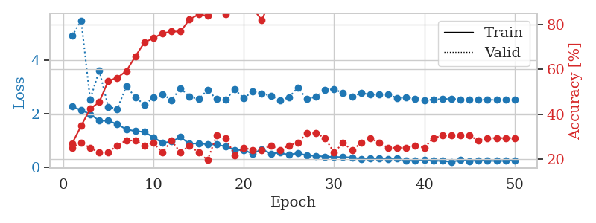
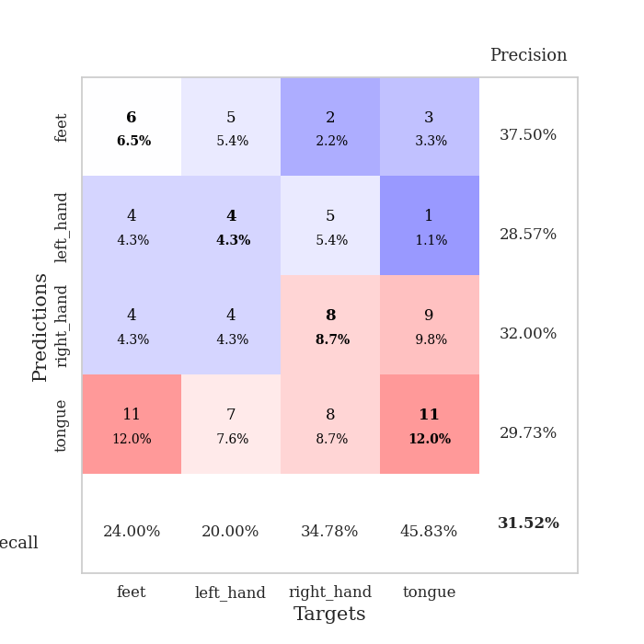
train_loss | valid_loss | train_accuracy | valid_accuracy | dur | train_misclass | valid_misclass
2.2657053471 | 4.8966404459 | 0.26902173913 | 0.25 | 0.035163164139 | 26.902173913 | 25
2.1364531279 | 5.4705725338 | 0.34782608696 | 0.27173913043 | 0.034413814545 | 34.782608696 | 27.173913043
1.9877568245 | 2.5372692709 | 0.42391304348 | 0.25 | 0.034263372421 | 42.391304348 | 25
1.7428884745 | 3.6060315526 | 0.45380434783 | 0.22826086957 | 0.033415794373 | 45.380434783 | 22.826086957
1.7402181625 | 2.2608652737 | 0.54891304348 | 0.22826086957 | 0.033286333084 | 54.891304348 | 22.826086957
1.6122259855 | 2.1808240673 | 0.5625 | 0.26086956522 | 0.033210515976 | 56.25 | 26.086956522
1.4232687473 | 3.0162014858 | 0.59239130435 | 0.28260869565 | 0.033229827881 | 59.239130435 | 28.260869565
1.3557103872 | 2.6227455968 | 0.65760869565 | 0.28260869565 | 0.034420490265 | 65.760869565 | 28.260869565
1.3263240337 | 2.3310244291 | 0.72010869565 | 0.26086956522 | 0.033147573471 | 72.010869565 | 26.086956522
1.1265392065 | 2.6086494093 | 0.73913043478 | 0.27173913043 | 0.033175706863 | 73.913043478 | 27.173913043
0.917296803 | 2.7334188897 | 0.76086956522 | 0.22826086957 | 0.033072948456 | 76.086956522 | 22.826086957
0.96543508768 | 2.5129115582 | 0.76902173913 | 0.28260869565 | 0.034817695618 | 76.902173913 | 28.260869565
1.1314045906 | 2.9478347923 | 0.76902173913 | 0.22826086957 | 0.033389806747 | 76.902173913 | 22.826086957
0.88384567499 | 2.6383353213 | 0.82336956522 | 0.26086956522 | 0.033176898956 | 82.336956522 | 26.086956522
0.90306019783 | 2.5455289716 | 0.84510869565 | 0.22826086957 | 0.032920360565 | 84.510869565 | 22.826086957
0.86525825262 | 2.8825537847 | 0.83967391304 | 0.19565217391 | 0.032856225967 | 83.967391304 | 19.565217391
0.85601711273 | 2.5472583978 | 0.89130434783 | 0.30434782609 | 0.033127307892 | 89.130434783 | 30.434782609
0.78337627053 | 2.5309942287 | 0.84510869565 | 0.29347826087 | 0.033576726913 | 84.510869565 | 29.347826087
0.65361572504 | 2.9006103744 | 0.91847826087 | 0.21739130435 | 0.033033132553 | 91.847826087 | 21.739130435
0.65161959529 | 2.5856089385 | 0.91304347826 | 0.25 | 0.033053636551 | 91.304347826 | 25
0.51599993706 | 2.8254022495 | 0.8722826087 | 0.23913043478 | 0.032994270325 | 87.22826087 | 23.913043478
0.68287186623 | 2.7561143792 | 0.82065217391 | 0.23913043478 | 0.033202171326 | 82.065217391 | 23.913043478
0.52015274167 | 2.6684326193 | 0.91032608696 | 0.26086956522 | 0.033265113831 | 91.032608696 | 26.086956522
0.55230799913 | 2.49590287 | 0.96467391304 | 0.23913043478 | 0.033039331436 | 96.467391304 | 23.913043478
0.47392603755 | 2.6113607469 | 0.95923913043 | 0.26086956522 | 0.033000230789 | 95.923913043 | 26.086956522
0.5396109283 | 2.974333618 | 0.91847826087 | 0.27173913043 | 0.033183097839 | 91.847826087 | 27.173913043
0.45109796524 | 2.5428155194 | 0.97010869565 | 0.3152173913 | 0.032905578613 | 97.010869565 | 31.52173913
0.43531144261 | 2.6326045264 | 0.96195652174 | 0.3152173913 | 0.034345626831 | 96.195652174 | 31.52173913
0.40780779123 | 2.8738387771 | 0.94293478261 | 0.29347826087 | 0.034052848816 | 94.293478261 | 29.347826087
0.39436759949 | 2.9220156359 | 0.94565217391 | 0.22826086957 | 0.033081531525 | 94.565217391 | 22.826086957
0.38672993779 | 2.7624536286 | 0.96467391304 | 0.27173913043 | 0.033276796341 | 96.467391304 | 27.173913043
0.37826328874 | 2.6446680193 | 0.98641304348 | 0.23913043478 | 0.033046722412 | 98.641304348 | 23.913043478
0.32237737477 | 2.7735629911 | 0.98913043478 | 0.27173913043 | 0.033125638962 | 98.913043478 | 27.173913043
0.35020483732 | 2.7096542897 | 0.9972826087 | 0.29347826087 | 0.032979488373 | 99.72826087 | 29.347826087
0.3338729471 | 2.7275288105 | 0.98913043478 | 0.27173913043 | 0.033187866211 | 98.913043478 | 27.173913043
0.32662840486 | 2.7083207524 | 0.98913043478 | 0.25 | 0.034685373306 | 98.913043478 | 25
0.33032615781 | 2.5893228883 | 0.98641304348 | 0.25 | 0.033579111099 | 98.641304348 | 25
0.2658251673 | 2.6119514963 | 0.99456521739 | 0.25 | 0.032924890518 | 99.456521739 | 25
0.25004608333 | 2.54921116 | 0.99456521739 | 0.26086956522 | 0.032889127731 | 99.456521739 | 26.086956522
0.28018784821 | 2.5067316242 | 0.9972826087 | 0.25 | 0.032864093781 | 99.72826087 | 25
0.26215184331 | 2.5266834964 | 0.9972826087 | 0.29347826087 | 0.033295154572 | 99.72826087 | 29.347826087
0.24691932201 | 2.5513487795 | 0.9972826087 | 0.30434782609 | 0.033158302307 | 99.72826087 | 30.434782609
0.21246851087 | 2.5495034508 | 0.99456521739 | 0.30434782609 | 0.03329706192 | 99.456521739 | 30.434782609
0.28258780241 | 2.539726672 | 0.9972826087 | 0.30434782609 | 0.033039808273 | 99.72826087 | 30.434782609
0.24666695893 | 2.5294316022 | 0.9972826087 | 0.30434782609 | 0.033093690872 | 99.72826087 | 30.434782609
0.26321233213 | 2.5239579263 | 0.9972826087 | 0.28260869565 | 0.033187150955 | 99.72826087 | 28.260869565
0.25682661533 | 2.5238902051 | 0.9972826087 | 0.29347826087 | 0.033415794373 | 99.72826087 | 29.347826087
0.24746591747 | 2.5221162153 | 0.9972826087 | 0.29347826087 | 0.033380746841 | 99.72826087 | 29.347826087
0.25183171332 | 2.5209162546 | 0.9972826087 | 0.29347826087 | 0.033230781555 | 99.72826087 | 29.347826087
0.26702933609 | 2.5206160442 | 0.9972826087 | 0.29347826087 | 0.033133506775 | 99.72826087 | 29.347826087

Best Val accuracy is 0.31521739130434784 and Best test accuracy is 0.33620689655172414

Sheet9
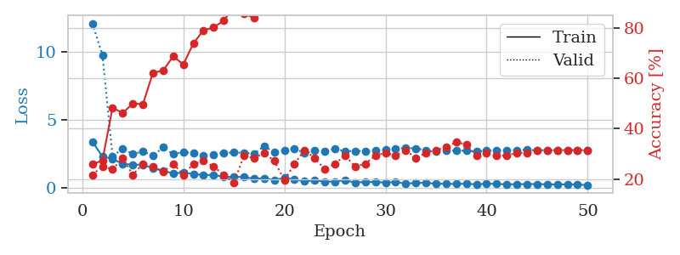
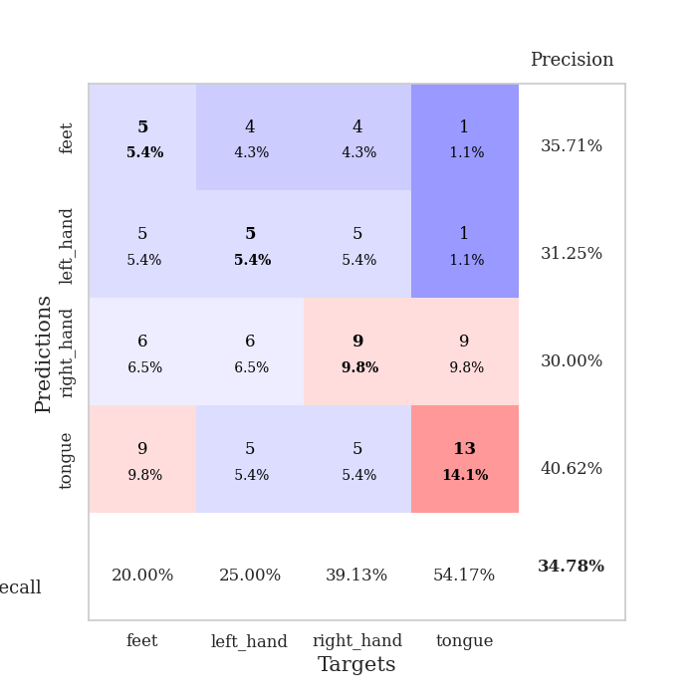
train_loss | valid_loss | train_accuracy | valid_accuracy | dur | train_misclass | valid_misclass
3.4075554132 | 12.126660637 | 0.25815217391 | 0.21739130435 | 0.035530328751 | 25.815217391 | 21.739130435
2.3019444466 | 9.8047741185 | 0.27445652174 | 0.25 | 0.034317970276 | 27.445652174 | 25
2.1337665558 | 2.3034714512 | 0.48369565217 | 0.23913043478 | 0.03414440155 | 48.369565217 | 23.913043478
1.7557023764 | 2.8993565829 | 0.46195652174 | 0.28260869565 | 0.032953023911 | 46.195652174 | 28.260869565
1.7083618164 | 2.4866927914 | 0.5 | 0.21739130435 | 0.034151792526 | 50 | 21.739130435
1.6849595308 | 2.6733004425 | 0.4972826087 | 0.26086956522 | 0.034109115601 | 49.72826087 | 26.086956522
1.4575107098 | 2.3574425552 | 0.6222826087 | 0.25 | 0.034319877625 | 62.22826087 | 25
1.2581105709 | 2.9718141037 | 0.63043478261 | 0.22826086957 | 0.033601760864 | 63.043478261 | 22.826086957
1.0500079513 | 2.4734680549 | 0.6875 | 0.26086956522 | 0.033451318741 | 68.75 | 26.086956522
1.1182788253 | 2.6365678932 | 0.65489130435 | 0.21739130435 | 0.034132003784 | 65.489130435 | 21.739130435
1.0162193298 | 2.5520590699 | 0.73913043478 | 0.26086956522 | 0.033671855927 | 73.913043478 | 26.086956522
0.92486028671 | 2.3855716353 | 0.79076086957 | 0.27173913043 | 0.03396821022 | 79.076086957 | 27.173913043
0.95797046423 | 2.4426570664 | 0.80163043478 | 0.25 | 0.034611940384 | 80.163043478 | 25
0.78611118793 | 2.5801939964 | 0.82880434783 | 0.21739130435 | 0.033329486847 | 82.880434783 | 21.739130435
0.81127883196 | 2.5980593122 | 0.88315217391 | 0.1847826087 | 0.033998966217 | 88.315217391 | 18.47826087
0.78735275269 | 2.5704370789 | 0.85597826087 | 0.29347826087 | 0.034561395645 | 85.597826087 | 29.347826087
0.65670757294 | 2.5193681821 | 0.83967391304 | 0.28260869565 | 0.033898591995 | 83.967391304 | 28.260869565
0.70985604525 | 3.062533617 | 0.875 | 0.30434782609 | 0.033430576324 | 87.5 | 30.434782609
0.55475545526 | 2.6404865306 | 0.9402173913 | 0.27173913043 | 0.034092187881 | 94.02173913 | 27.173913043
0.73697500229 | 2.7787433189 | 0.86684782609 | 0.19565217391 | 0.033354997635 | 86.684782609 | 19.565217391
0.60255348682 | 2.9001500192 | 0.89130434783 | 0.26086956522 | 0.034019947052 | 89.130434783 | 26.086956522
0.47126111984 | 2.5412535667 | 0.9347826087 | 0.3152173913 | 0.033314228058 | 93.47826087 | 31.52173913
0.54924727082 | 2.7228238583 | 0.9347826087 | 0.28260869565 | 0.034653186798 | 93.47826087 | 28.260869565
0.43959838152 | 2.7076903426 | 0.93206521739 | 0.23913043478 | 0.035774469376 | 93.206521739 | 23.913043478
0.45709298253 | 2.8682444303 | 0.92934782609 | 0.26086956522 | 0.033180236816 | 92.934782609 | 26.086956522
0.54713851213 | 2.6916589841 | 0.96467391304 | 0.29347826087 | 0.033255338669 | 96.467391304 | 29.347826087
0.3778791666 | 2.7140387659 | 0.97826086957 | 0.25 | 0.033398389816 | 97.826086957 | 25
0.4253215313 | 2.6835505133 | 0.97282608696 | 0.26086956522 | 0.03328704834 | 97.282608696 | 26.086956522
0.41779686809 | 2.7218427554 | 0.97554347826 | 0.29347826087 | 0.033247947693 | 97.554347826 | 29.347826087
0.37926721275 | 2.8018553361 | 0.98369565217 | 0.30434782609 | 0.033242940903 | 98.369565217 | 30.434782609
0.41466237307 | 2.8633323545 | 0.98641304348 | 0.29347826087 | 0.03506231308 | 98.641304348 | 29.347826087
0.31261522174 | 2.9368213363 | 0.97826086957 | 0.3152173913 | 0.033537149429 | 97.826086957 | 31.52173913
0.3437723428 | 2.9034666704 | 0.98369565217 | 0.28260869565 | 0.034067392349 | 98.369565217 | 28.260869565
0.36617217064 | 2.764234491 | 0.99184782609 | 0.30434782609 | 0.032581806183 | 99.184782609 | 30.434782609
0.295157969 | 2.6651427228 | 0.99456521739 | 0.3152173913 | 0.032954216003 | 99.456521739 | 31.52173913
0.28669808507 | 2.7285116755 | 0.99456521739 | 0.32608695652 | 0.034263372421 | 99.456521739 | 32.608695652
0.27779648304 | 2.7440168339 | 0.99456521739 | 0.34782608696 | 0.033007860184 | 99.456521739 | 34.782608696
0.2924266696 | 2.7263336285 | 0.9972826087 | 0.33695652174 | 0.034161567688 | 99.72826087 | 33.695652174
0.24020851254 | 2.6980227491 | 0.99456521739 | 0.29347826087 | 0.034484386444 | 99.456521739 | 29.347826087
0.30348666608 | 2.7197222606 | 0.99456521739 | 0.30434782609 | 0.034111261368 | 99.456521739 | 30.434782609
0.27614513338 | 2.749260778 | 0.9972826087 | 0.29347826087 | 0.033724784851 | 99.72826087 | 29.347826087
0.24749461412 | 2.7669282374 | 0.9972826087 | 0.29347826087 | 0.033259391785 | 99.72826087 | 29.347826087
0.25900361538 | 2.7796342062 | 0.9972826087 | 0.30434782609 | 0.033226251602 | 99.72826087 | 30.434782609
0.2642798394 | 2.7827083857 | 0.9972826087 | 0.30434782609 | 0.033160448074 | 99.72826087 | 30.434782609
0.26974330842 | 2.770544643 | 0.9972826087 | 0.3152173913 | 0.033126831055 | 99.72826087 | 31.52173913
0.245949772 | 2.7646702787 | 0.9972826087 | 0.3152173913 | 0.033556461334 | 99.72826087 | 31.52173913
0.23618713319 | 2.7637042066 | 0.9972826087 | 0.3152173913 | 0.032770395279 | 99.72826087 | 31.52173913
0.25440742075 | 2.7608069026 | 0.9972826087 | 0.3152173913 | 0.033288002014 | 99.72826087 | 31.52173913
0.23067923188 | 2.757245862 | 0.9972826087 | 0.3152173913 | 0.033067703247 | 99.72826087 | 31.52173913
0.19404606074 | 2.7571445755 | 0.9972826087 | 0.3152173913 | 0.033158302307 | 99.72826087 | 31.52173913

Best Val accuracy is 0.34782608695652173 and Best test accuracy is 0.3275862068965517

Sheet10
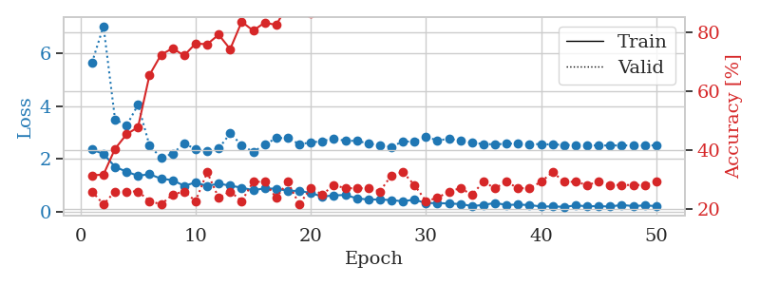
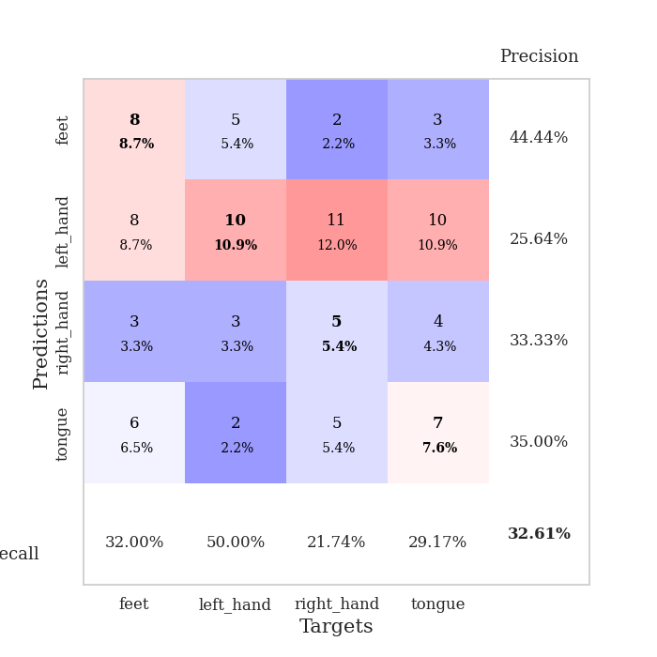
train_loss | valid_loss | train_accuracy | valid_accuracy | dur | train_misclass | valid_misclass
2.3506416321 | 5.655507067 | 0.3152173913 | 0.26086956522 | 0.035130023956 | 31.52173913 | 26.086956522
2.1866710424 | 7.0451295065 | 0.31793478261 | 0.21739130435 | 0.034125566483 | 31.793478261 | 21.739130435
1.6963726282 | 3.5044023783 | 0.40489130435 | 0.26086956522 | 0.032897472382 | 40.489130435 | 26.086956522
1.5089877367 | 3.2561348418 | 0.45380434783 | 0.26086956522 | 0.033026695251 | 45.380434783 | 26.086956522
1.3544925928 | 4.0618825062 | 0.47826086957 | 0.26086956522 | 0.032830238342 | 47.826086957 | 26.086956522
1.4144341946 | 2.4954498229 | 0.65489130435 | 0.22826086957 | 0.032833099365 | 65.489130435 | 22.826086957
1.2428009748 | 2.0446776825 | 0.72282608696 | 0.21739130435 | 0.032783508301 | 72.282608696 | 21.739130435
1.1892797232 | 2.1920833484 | 0.74456521739 | 0.25 | 0.03281879425 | 74.456521739 | 25
0.97234944105 | 2.5854808662 | 0.72010869565 | 0.26086956522 | 0.032870054245 | 72.010869565 | 26.086956522
1.1003989816 | 2.3685976111 | 0.76086956522 | 0.22826086957 | 0.032743215561 | 76.086956522 | 22.826086957
0.96317622662 | 2.29347229 | 0.75815217391 | 0.32608695652 | 0.033069372177 | 75.815217391 | 32.608695652
1.0566113472 | 2.3897876014 | 0.79076086957 | 0.23913043478 | 0.033710241318 | 79.076086957 | 23.913043478
0.97794653177 | 2.9646162676 | 0.74184782609 | 0.26086956522 | 0.032910108566 | 74.184782609 | 26.086956522
0.90203133821 | 2.5228569404 | 0.83423913043 | 0.22826086957 | 0.032858610153 | 83.423913043 | 22.826086957
0.80517225266 | 2.257797604 | 0.80434782609 | 0.29347826087 | 0.032869577408 | 80.434782609 | 29.347826087
0.87666059732 | 2.539073602 | 0.83152173913 | 0.29347826087 | 0.033119678497 | 83.152173913 | 29.347826087
0.86004309654 | 2.785243024 | 0.82336956522 | 0.23913043478 | 0.032850265503 | 82.336956522 | 23.913043478
0.78429255486 | 2.7977476327 | 0.89130434783 | 0.29347826087 | 0.032845258713 | 89.130434783 | 29.347826087
0.77809430361 | 2.5541734488 | 0.89402173913 | 0.21739130435 | 0.032812595367 | 89.402173913 | 21.739130435
0.70103037357 | 2.621471913 | 0.86141304348 | 0.27173913043 | 0.032813549042 | 86.141304348 | 27.173913043
0.563096416 | 2.6704639767 | 0.91304347826 | 0.25 | 0.032797813416 | 91.304347826 | 25
0.60791707635 | 2.7765747361 | 0.91847826087 | 0.28260869565 | 0.032902956009 | 91.847826087 | 28.260869565
0.62468754053 | 2.6820050841 | 0.94565217391 | 0.27173913043 | 0.032796144485 | 94.565217391 | 27.173913043
0.49632077217 | 2.6870053436 | 0.97010869565 | 0.27173913043 | 0.032848119736 | 97.010869565 | 27.173913043
0.44979291558 | 2.5785029349 | 0.9402173913 | 0.27173913043 | 0.032892942429 | 94.02173913 | 27.173913043
0.4547752142 | 2.5141859262 | 0.97010869565 | 0.26086956522 | 0.032847642899 | 97.010869565 | 26.086956522
0.42778631449 | 2.4526747724 | 0.97826086957 | 0.3152173913 | 0.032818078995 | 97.826086957 | 31.52173913
0.38459796309 | 2.6631358499 | 0.97010869565 | 0.32608695652 | 0.032893180847 | 97.010869565 | 32.608695652
0.44902089834 | 2.6466703726 | 0.98641304348 | 0.28260869565 | 0.032930135727 | 98.641304348 | 28.260869565
0.31177584529 | 2.828386908 | 0.98641304348 | 0.22826086957 | 0.032860279083 | 98.641304348 | 22.826086957
0.31956844926 | 2.701793681 | 0.98913043478 | 0.23913043478 | 0.032843112946 | 98.913043478 | 23.913043478
0.29756262302 | 2.75509033 | 0.9972826087 | 0.26086956522 | 0.032826423645 | 99.72826087 | 26.086956522
0.28110336661 | 2.7000490997 | 0.9972826087 | 0.27173913043 | 0.032854318619 | 99.72826087 | 27.173913043
0.2021707505 | 2.6069337492 | 0.9972826087 | 0.25 | 0.032719135284 | 99.72826087 | 25
0.24504113793 | 2.5642919126 | 0.9972826087 | 0.29347826087 | 0.032831192017 | 99.72826087 | 29.347826087
0.32125433683 | 2.5506439935 | 1 | 0.27173913043 | 0.03284072876 | 100 | 27.173913043
0.24445561767 | 2.5721491005 | 1 | 0.29347826087 | 0.0328373909 | 100 | 29.347826087
0.25745457709 | 2.5893625384 | 0.9972826087 | 0.27173913043 | 0.033159971237 | 99.72826087 | 27.173913043
0.24044855535 | 2.5620340264 | 0.9972826087 | 0.27173913043 | 0.033519029617 | 99.72826087 | 27.173913043
0.18503510654 | 2.5553896323 | 1 | 0.29347826087 | 0.03328037262 | 100 | 29.347826087
0.18908512592 | 2.5458413311 | 1 | 0.32608695652 | 0.032925844193 | 100 | 32.608695652
0.17220706344 | 2.5285860974 | 1 | 0.29347826087 | 0.03278875351 | 100 | 29.347826087
0.22438305616 | 2.520070926 | 1 | 0.29347826087 | 0.032905578613 | 100 | 29.347826087
0.19700554311 | 2.5126351585 | 1 | 0.28260869565 | 0.032777309418 | 100 | 28.260869565
0.19913741648 | 2.5060695773 | 1 | 0.29347826087 | 0.033298254013 | 100 | 29.347826087
0.18420255482 | 2.5075761546 | 1 | 0.28260869565 | 0.033118724823 | 100 | 28.260869565
0.24478897452 | 2.5090901852 | 1 | 0.28260869565 | 0.032982349396 | 100 | 28.260869565
0.20106136203 | 2.5086664739 | 1 | 0.28260869565 | 0.032788276672 | 100 | 28.260869565
0.22722575963 | 2.5091473331 | 1 | 0.28260869565 | 0.033257484436 | 100 | 28.260869565
0.20038717687 | 2.5103915049 | 1 | 0.29347826087 | 0.033010005951 | 100 | 29.347826087

Best Val accuracy is 0.32608695652173914 and Best test accuracy is 0.25862068965517243

