Sheet
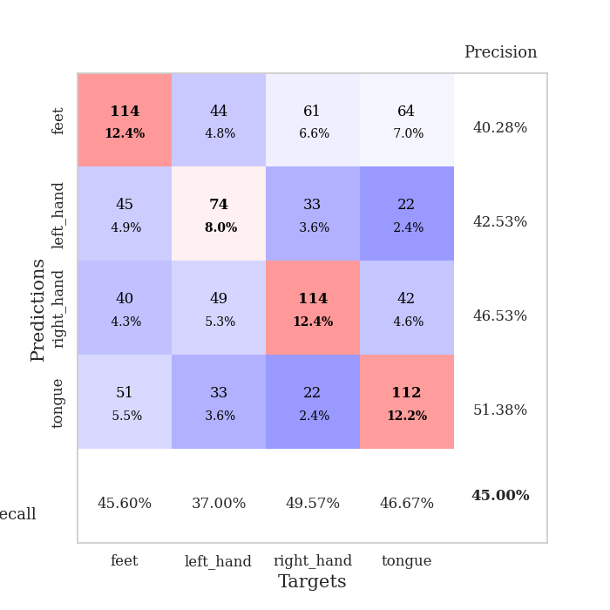
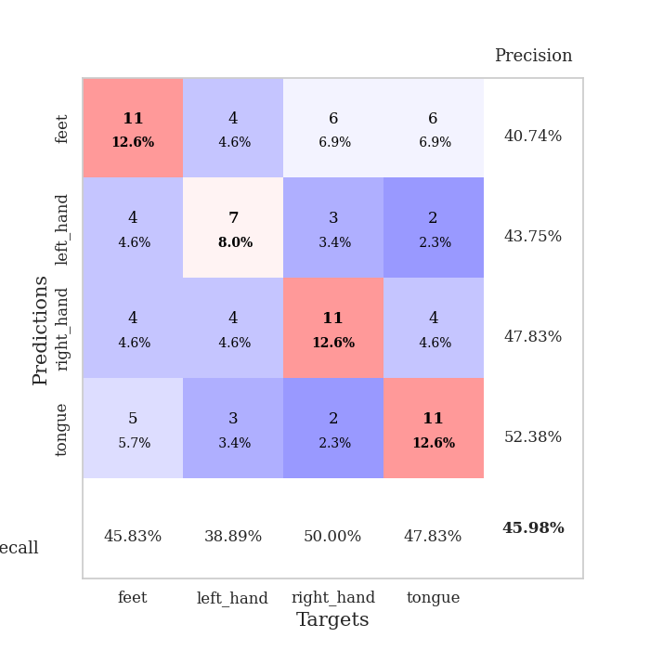
best_val_acc | best_val_los | best_test_acc
0.42391304348 | 2.020145323 | 0.36206896552
0.46739130435 | 2.0431274849 | 0.37931034483
0.40217391304 | 1.9255174813 | 0.3275862069
0.53260869565 | 1.8288875766 | 0.35344827586
0.48913043478 | 2.0294781871 | 0.38793103448
0.42391304348 | 2.1137935908 | 0.39655172414
0.45652173913 | 1.9815207046 | 0.3275862069
0.41304347826 | 2.2124108335 | 0.30172413793
0.41304347826 | 2.1178845478 | 0.39655172414
0.47826086957 | 1.9717557845 | 0.41379310345

Mean,std Val accuracy is 0.45 , 0.04200399056866505 and mean, std test accuracy is 0.3646551724137931 , 0.0365857753629925

Sheet1
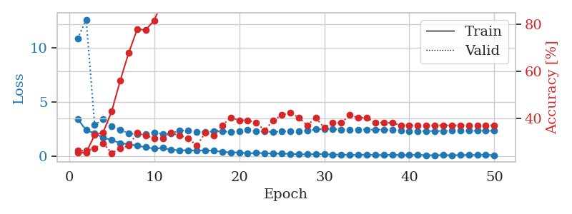
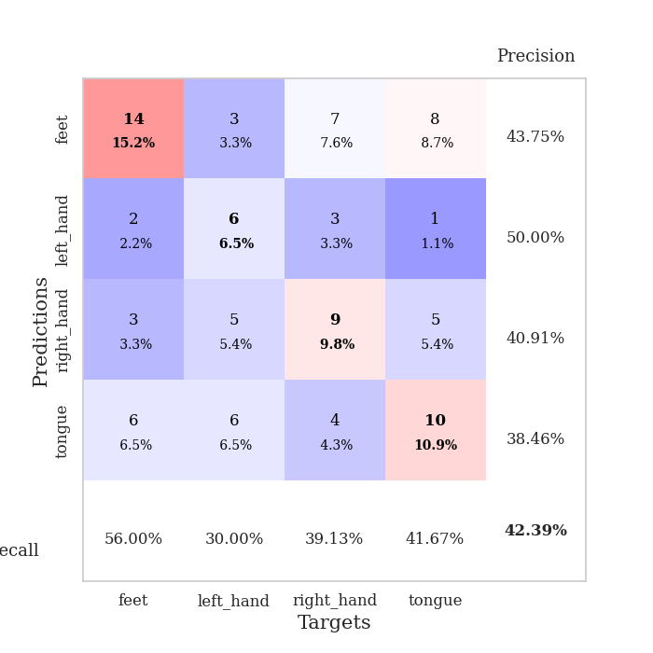
train_loss | valid_loss | train_accuracy | valid_accuracy | dur | train_misclass | valid_misclass
3.4338134766 | 10.810431563 | 0.2527173913 | 0.26086956522 | 0.035956144333 | 25.27173913 | 26.086956522
2.4220897675 | 12.558164638 | 0.2527173913 | 0.26086956522 | 0.034480571747 | 25.27173913 | 26.086956522
2.1091819525 | 2.8848717938 | 0.32880434783 | 0.27173913043 | 0.033049821854 | 32.880434783 | 27.173913043
1.7127587795 | 3.4145296553 | 0.33967391304 | 0.29347826087 | 0.034405469894 | 33.967391304 | 29.347826087
1.507942605 | 2.7728975337 | 0.42934782609 | 0.25 | 0.034307003021 | 42.934782609 | 25
1.2150933266 | 2.4509476682 | 0.5597826087 | 0.27173913043 | 0.03418803215 | 55.97826087 | 27.173913043
1.1295135617 | 2.1258022371 | 0.67934782609 | 0.28260869565 | 0.033833503723 | 67.934782609 | 28.260869565
0.97571240664 | 2.020145323 | 0.77989130435 | 0.33695652174 | 0.03315448761 | 77.989130435 | 33.695652174
0.85389233828 | 2.0825115339 | 0.77717391304 | 0.32608695652 | 0.034137010574 | 77.717391304 | 32.608695652
0.71111701727 | 2.2015770674 | 0.81793478261 | 0.3152173913 | 0.03427195549 | 81.793478261 | 31.52173913
0.7862000823 | 2.0693228245 | 0.90217391304 | 0.3152173913 | 0.033580303192 | 90.217391304 | 31.52173913
0.61764541864 | 2.117872601 | 0.91032608696 | 0.33695652174 | 0.034161567688 | 91.032608696 | 33.695652174
0.56207248569 | 2.3633595861 | 0.8777173913 | 0.32608695652 | 0.033204555511 | 87.77173913 | 32.608695652
0.56691650748 | 2.4063485187 | 0.89945652174 | 0.3152173913 | 0.033096313477 | 89.945652174 | 31.52173913
0.54237558842 | 2.2331995342 | 0.9402173913 | 0.28260869565 | 0.034201145172 | 94.02173913 | 28.260869565
0.56110332608 | 2.2499654086 | 0.95108695652 | 0.33695652174 | 0.034027576447 | 95.108695652 | 33.695652174
0.5207472384 | 2.2905413586 | 0.96195652174 | 0.32608695652 | 0.034071683884 | 96.195652174 | 32.608695652
0.42670869231 | 2.2982689194 | 0.97826086957 | 0.36956521739 | 0.034073591232 | 97.826086957 | 36.956521739
0.3683952868 | 2.2479438989 | 0.97554347826 | 0.40217391304 | 0.034137964249 | 97.554347826 | 40.217391304
0.37573210597 | 2.2950280231 | 0.97010869565 | 0.39130434783 | 0.034144639969 | 97.010869565 | 39.130434783
0.27786691487 | 2.452319508 | 0.97010869565 | 0.39130434783 | 0.034126520157 | 97.010869565 | 39.130434783
0.32160083354 | 2.3060613819 | 0.99184782609 | 0.38043478261 | 0.033672332764 | 99.184782609 | 38.043478261
0.29800811112 | 2.2929429386 | 0.98641304348 | 0.34782608696 | 0.033179283142 | 98.641304348 | 34.782608696
0.2624912858 | 2.2493759549 | 0.98641304348 | 0.39130434783 | 0.033808469772 | 98.641304348 | 39.130434783
0.25127892792 | 2.2885116287 | 1 | 0.41304347826 | 0.034234762192 | 100 | 41.304347826
0.24660930336 | 2.3344648714 | 0.9972826087 | 0.42391304348 | 0.03418636322 | 99.72826087 | 42.391304348
0.19135772437 | 2.3346413633 | 0.99456521739 | 0.40217391304 | 0.034199953079 | 99.456521739 | 40.217391304
0.19887727648 | 2.3534462867 | 0.9972826087 | 0.36956521739 | 0.034084558487 | 99.72826087 | 36.956521739
0.20442052484 | 2.4771454645 | 1 | 0.40217391304 | 0.034193277359 | 100 | 40.217391304
0.21956626773 | 2.5281724204 | 1 | 0.35869565217 | 0.034384250641 | 100 | 35.869565217
0.16518921554 | 2.5108984553 | 1 | 0.38043478261 | 0.034210681915 | 100 | 38.043478261
0.17275979668 | 2.4695042113 | 0.9972826087 | 0.38043478261 | 0.032862186432 | 99.72826087 | 38.043478261
0.15315062255 | 2.4589212563 | 1 | 0.41304347826 | 0.033952474594 | 100 | 41.304347826
0.13994825482 | 2.4567764738 | 1 | 0.40217391304 | 0.034187316895 | 100 | 40.217391304
0.17677689493 | 2.4744806393 | 1 | 0.40217391304 | 0.033927440643 | 100 | 40.217391304
0.13143401742 | 2.4575768035 | 1 | 0.38043478261 | 0.033920288086 | 100 | 38.043478261
0.13189370334 | 2.4715146293 | 1 | 0.38043478261 | 0.032911539078 | 100 | 38.043478261
0.16201910079 | 2.4158613474 | 1 | 0.38043478261 | 0.033851623535 | 100 | 38.043478261
0.12706988454 | 2.3667447256 | 1 | 0.36956521739 | 0.033085107803 | 100 | 36.956521739
0.12298240364 | 2.337308469 | 1 | 0.36956521739 | 0.032819032669 | 100 | 36.956521739
0.15349079818 | 2.3216121611 | 1 | 0.36956521739 | 0.032809495926 | 100 | 36.956521739
0.11727005243 | 2.3250175974 | 1 | 0.36956521739 | 0.034206867218 | 100 | 36.956521739
0.11412973031 | 2.330468551 | 1 | 0.36956521739 | 0.034228086472 | 100 | 36.956521739
0.12640884966 | 2.3427165177 | 1 | 0.36956521739 | 0.033971786499 | 100 | 36.956521739
0.11341862231 | 2.3471348286 | 1 | 0.36956521739 | 0.032900333405 | 100 | 36.956521739
0.12599479109 | 2.348557296 | 1 | 0.36956521739 | 0.03283572197 | 100 | 36.956521739
0.14057460278 | 2.3490466968 | 1 | 0.36956521739 | 0.034412384033 | 100 | 36.956521739
0.13673617244 | 2.3498862412 | 1 | 0.36956521739 | 0.0343105793 | 100 | 36.956521739
0.17333572507 | 2.3514443999 | 1 | 0.36956521739 | 0.03428196907 | 100 | 36.956521739
0.10345003977 | 2.3511934177 | 1 | 0.36956521739 | 0.034239530563 | 100 | 36.956521739

Best Val accuracy is 0.42391304347826086 and Best test accuracy is 0.3620689655172414

Sheet2
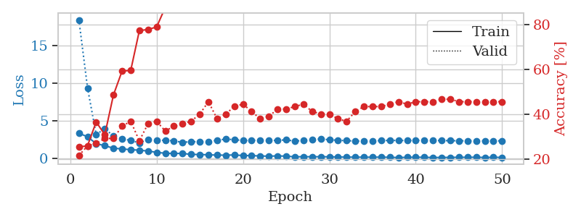
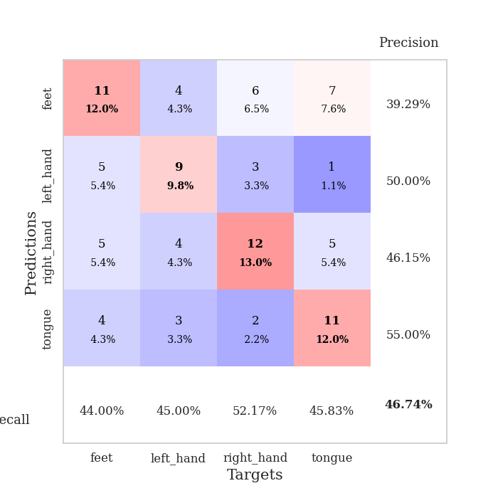
train_loss | valid_loss | train_accuracy | valid_accuracy | dur | train_misclass | valid_misclass
3.3447089672 | 18.439296971 | 0.25543478261 | 0.21739130435 | 0.035029888153 | 25.543478261 | 21.739130435
2.8490559578 | 9.3722236467 | 0.26086956522 | 0.26086956522 | 0.034116744995 | 26.086956522 | 26.086956522
1.9424081087 | 3.1577049027 | 0.36684782609 | 0.27173913043 | 0.034172773361 | 36.684782609 | 27.173913043
1.6673607349 | 3.9480335712 | 0.3097826087 | 0.29347826087 | 0.034140348434 | 30.97826087 | 29.347826087
1.3355125189 | 2.9568217112 | 0.48641304348 | 0.29347826087 | 0.03412771225 | 48.641304348 | 29.347826087
1.2412630558 | 2.5979201275 | 0.59239130435 | 0.34782608696 | 0.033933401108 | 59.239130435 | 34.782608696
1.1339936018 | 2.3586301804 | 0.59510869565 | 0.36956521739 | 0.033414363861 | 59.510869565 | 36.956521739
1.0740162492 | 2.0431274849 | 0.77173913043 | 0.28260869565 | 0.034281730652 | 77.173913043 | 28.260869565
0.95237734318 | 2.4673644874 | 0.77717391304 | 0.35869565217 | 0.03388094902 | 77.717391304 | 35.869565217
0.78707435131 | 2.341870339 | 0.78804347826 | 0.36956521739 | 0.034004926682 | 78.804347826 | 36.956521739
0.65948604345 | 2.4173462598 | 0.875 | 0.32608695652 | 0.033906698227 | 87.5 | 32.608695652
0.63182997108 | 2.3015758058 | 0.90489130435 | 0.34782608696 | 0.034202575684 | 90.489130435 | 34.782608696
0.64046448469 | 2.1252733106 | 0.93206521739 | 0.35869565217 | 0.034307718277 | 93.206521739 | 35.869565217
0.50455479622 | 2.1978413333 | 0.91847826087 | 0.36956521739 | 0.033965587616 | 91.847826087 | 36.956521739
0.49708651304 | 2.195422328 | 0.95108695652 | 0.40217391304 | 0.03299331665 | 95.108695652 | 40.217391304
0.44965590239 | 2.1719895653 | 0.95380434783 | 0.45652173913 | 0.034321784973 | 95.380434783 | 45.652173913
0.42038176656 | 2.4062927288 | 0.95108695652 | 0.38043478261 | 0.034249067307 | 95.108695652 | 38.043478261
0.40277554989 | 2.5401155845 | 0.97282608696 | 0.40217391304 | 0.034155845642 | 97.282608696 | 40.217391304
0.44056097865 | 2.4769765501 | 0.97554347826 | 0.4347826087 | 0.034271240234 | 97.554347826 | 43.47826087
0.35511112213 | 2.3565803092 | 0.97010869565 | 0.44565217391 | 0.034338712692 | 97.010869565 | 44.565217391
0.35199485421 | 2.395702331 | 0.96195652174 | 0.41304347826 | 0.033619165421 | 96.195652174 | 41.304347826
0.29405068159 | 2.3595141535 | 0.98641304348 | 0.38043478261 | 0.033323049545 | 98.641304348 | 38.043478261
0.27465510666 | 2.3418180424 | 0.99184782609 | 0.39130434783 | 0.03379034996 | 99.184782609 | 39.130434783
0.3077036649 | 2.3944605019 | 0.99456521739 | 0.42391304348 | 0.034404039383 | 99.456521739 | 42.391304348
0.27474088222 | 2.4376880501 | 0.9972826087 | 0.42391304348 | 0.034117221832 | 99.72826087 | 42.391304348
0.18568812907 | 2.2840960648 | 0.9972826087 | 0.4347826087 | 0.033883571625 | 99.72826087 | 43.47826087
0.20697683245 | 2.3673491789 | 1 | 0.44565217391 | 0.033512353897 | 100 | 44.565217391
0.190485093 | 2.4944123496 | 1 | 0.41304347826 | 0.034198760986 | 100 | 41.304347826
0.20450737625 | 2.5576474563 | 1 | 0.40217391304 | 0.034459352493 | 100 | 40.217391304
0.18419088721 | 2.4634246723 | 0.9972826087 | 0.40217391304 | 0.033239126205 | 99.72826087 | 40.217391304
0.16489988267 | 2.3865733976 | 1 | 0.38043478261 | 0.033822536469 | 100 | 38.043478261
0.14724787772 | 2.3388243862 | 1 | 0.36956521739 | 0.034116506577 | 100 | 36.956521739
0.14483615607 | 2.2901770861 | 1 | 0.41304347826 | 0.033692598343 | 100 | 41.304347826
0.13758951724 | 2.274562193 | 1 | 0.4347826087 | 0.03404712677 | 100 | 43.47826087
0.1362354219 | 2.2946750703 | 1 | 0.4347826087 | 0.033423423767 | 100 | 43.47826087
0.14758586287 | 2.3496074677 | 1 | 0.4347826087 | 0.032744884491 | 100 | 43.47826087
0.12093653083 | 2.3710224939 | 1 | 0.44565217391 | 0.033732414246 | 100 | 44.565217391
0.094860248268 | 2.3696579622 | 1 | 0.45652173913 | 0.033183097839 | 100 | 45.652173913
0.12073054463 | 2.359695362 | 1 | 0.44565217391 | 0.032871961594 | 100 | 44.565217391
0.13499740511 | 2.3731679709 | 1 | 0.45652173913 | 0.032980442047 | 100 | 45.652173913
0.12274686843 | 2.3758486561 | 1 | 0.45652173913 | 0.033580064774 | 100 | 45.652173913
0.096372900903 | 2.364874788 | 1 | 0.45652173913 | 0.034212827682 | 100 | 45.652173913
0.10406997055 | 2.3504279593 | 1 | 0.46739130435 | 0.034127950668 | 100 | 46.739130435
0.11177428141 | 2.3386033825 | 1 | 0.46739130435 | 0.03454375267 | 100 | 46.739130435
0.12703962624 | 2.3274727179 | 1 | 0.45652173913 | 0.034161090851 | 100 | 45.652173913
0.12126465738 | 2.319841644 | 1 | 0.45652173913 | 0.034460783005 | 100 | 45.652173913
0.13349542171 | 2.3174274279 | 1 | 0.45652173913 | 0.033668041229 | 100 | 45.652173913
0.099937155098 | 2.3164039176 | 1 | 0.45652173913 | 0.0333070755 | 100 | 45.652173913
0.12924914733 | 2.3161641618 | 1 | 0.45652173913 | 0.034032821655 | 100 | 45.652173913
0.10337549895 | 2.3161835152 | 1 | 0.45652173913 | 0.034338951111 | 100 | 45.652173913

Best Val accuracy is 0.4673913043478261 and Best test accuracy is 0.3793103448275862

Sheet3
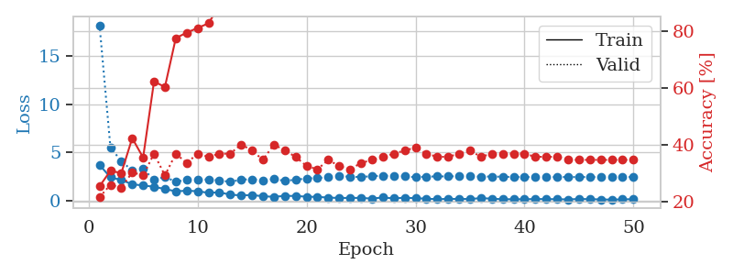
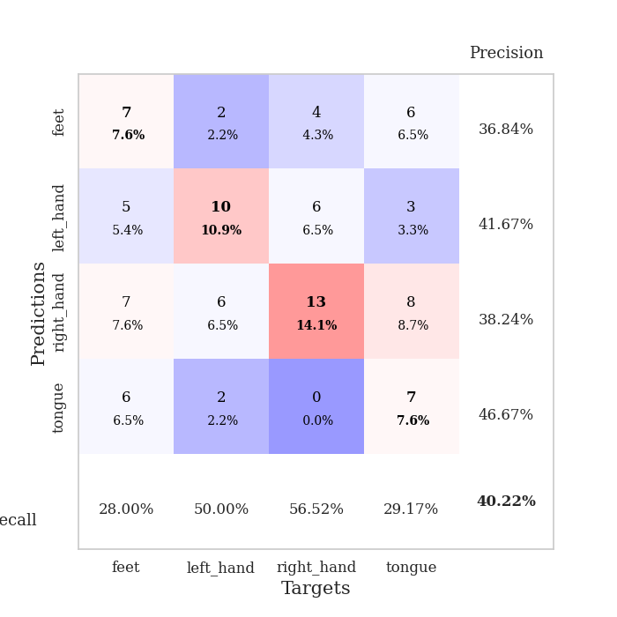
train_loss | valid_loss | train_accuracy | valid_accuracy | dur | train_misclass | valid_misclass
3.6850318909 | 18.180489499 | 0.25543478261 | 0.21739130435 | 0.035394430161 | 25.543478261 | 21.739130435
2.3932216167 | 5.4892584552 | 0.3097826087 | 0.26086956522 | 0.033794641495 | 30.97826087 | 26.086956522
2.1219312191 | 4.0766214599 | 0.30163043478 | 0.25 | 0.034358739853 | 30.163043478 | 25
1.6768548965 | 3.1064385746 | 0.42391304348 | 0.30434782609 | 0.034402608871 | 42.391304348 | 30.434782609
1.5529523611 | 3.2568669319 | 0.35597826087 | 0.29347826087 | 0.034737825394 | 35.597826087 | 29.347826087
1.4203767776 | 2.1636469053 | 0.6222826087 | 0.36956521739 | 0.032718896866 | 62.22826087 | 36.956521739
1.1796510935 | 2.4225105255 | 0.60326086957 | 0.29347826087 | 0.03329539299 | 60.326086957 | 29.347826087
0.94972867966 | 1.9528599977 | 0.77445652174 | 0.36956521739 | 0.033002614975 | 77.445652174 | 36.956521739
1.0071174622 | 2.1138174482 | 0.79347826087 | 0.33695652174 | 0.032954454422 | 79.347826087 | 33.695652174
0.95809464455 | 2.1631102251 | 0.8097826087 | 0.36956521739 | 0.033188819885 | 80.97826087 | 36.956521739
0.78824964762 | 2.171922041 | 0.82608695652 | 0.35869565217 | 0.033505678177 | 82.608695652 | 35.869565217
0.84777806997 | 2.0761335777 | 0.88858695652 | 0.36956521739 | 0.033070325851 | 88.858695652 | 36.956521739
0.5910482347 | 1.9255174813 | 0.93206521739 | 0.36956521739 | 0.03319978714 | 93.206521739 | 36.956521739
0.52961680889 | 2.1625008739 | 0.9347826087 | 0.40217391304 | 0.033105611801 | 93.47826087 | 40.217391304
0.55888141394 | 2.1974001449 | 0.94293478261 | 0.38043478261 | 0.034131288528 | 94.293478261 | 38.043478261
0.43593490422 | 2.1026270545 | 0.96195652174 | 0.34782608696 | 0.033969163895 | 96.195652174 | 34.782608696
0.37581016421 | 2.2061450844 | 0.96195652174 | 0.40217391304 | 0.036134719849 | 96.195652174 | 40.217391304
0.471569556 | 2.0410495841 | 0.97010869565 | 0.38043478261 | 0.03292632103 | 97.010869565 | 38.043478261
0.46688520312 | 2.1471655576 | 0.96467391304 | 0.35869565217 | 0.033161640167 | 96.467391304 | 35.869565217
0.38691681623 | 2.2835304426 | 0.97826086957 | 0.32608695652 | 0.032992601395 | 97.826086957 | 32.608695652
0.3681951493 | 2.320817398 | 0.98641304348 | 0.3152173913 | 0.033069610596 | 98.641304348 | 31.52173913
0.29642135501 | 2.4328249434 | 0.99456521739 | 0.34782608696 | 0.033296108246 | 99.456521739 | 34.782608696
0.25633223653 | 2.5277554782 | 0.98097826087 | 0.32608695652 | 0.033338546753 | 98.097826087 | 32.608695652
0.26105201542 | 2.4585080043 | 1 | 0.3152173913 | 0.03316450119 | 100 | 31.52173913
0.26334751844 | 2.4312318408 | 1 | 0.33695652174 | 0.033229589462 | 100 | 33.695652174
0.18888063729 | 2.5191937115 | 1 | 0.34782608696 | 0.033146381378 | 100 | 34.782608696
0.31206940711 | 2.5698477496 | 1 | 0.35869565217 | 0.033265352249 | 100 | 35.869565217
0.20692804754 | 2.5370049995 | 0.99184782609 | 0.36956521739 | 0.033237218857 | 99.184782609 | 36.956521739
0.28872346878 | 2.5003022629 | 0.99456521739 | 0.38043478261 | 0.034729719162 | 99.456521739 | 38.043478261
0.22714485526 | 2.4134110368 | 1 | 0.39130434783 | 0.033653974533 | 100 | 39.130434783
0.18419217169 | 2.4708580349 | 1 | 0.36956521739 | 0.033132791519 | 100 | 36.956521739
0.12653224617 | 2.4916671152 | 1 | 0.35869565217 | 0.033868789673 | 100 | 35.869565217
0.16425727904 | 2.4940093808 | 1 | 0.35869565217 | 0.033745765686 | 100 | 35.869565217
0.15375807434 | 2.5091210759 | 1 | 0.36956521739 | 0.035052776337 | 100 | 36.956521739
0.14881134927 | 2.4883418394 | 1 | 0.38043478261 | 0.03373670578 | 100 | 38.043478261
0.24071383178 | 2.4767891531 | 1 | 0.35869565217 | 0.033634662628 | 100 | 35.869565217
0.18102599531 | 2.4794790745 | 1 | 0.36956521739 | 0.033312082291 | 100 | 36.956521739
0.12219661027 | 2.4589524269 | 1 | 0.36956521739 | 0.03323507309 | 100 | 36.956521739
0.12625086904 | 2.4343167595 | 1 | 0.36956521739 | 0.034104585648 | 100 | 36.956521739
0.12504138947 | 2.4272237342 | 1 | 0.36956521739 | 0.033232688904 | 100 | 36.956521739
0.14416245073 | 2.4260698712 | 1 | 0.35869565217 | 0.033261299133 | 100 | 35.869565217
0.13848041892 | 2.423272278 | 1 | 0.35869565217 | 0.03310918808 | 100 | 35.869565217
0.12672489882 | 2.4249367403 | 1 | 0.35869565217 | 0.033502578735 | 100 | 35.869565217
0.10880087614 | 2.427308207 | 1 | 0.34782608696 | 0.033167600632 | 100 | 34.782608696
0.14864558131 | 2.4268919903 | 1 | 0.34782608696 | 0.033181428909 | 100 | 34.782608696
0.13504145294 | 2.4274385597 | 1 | 0.34782608696 | 0.033059597015 | 100 | 34.782608696
0.10619294941 | 2.428155899 | 1 | 0.34782608696 | 0.033486127853 | 100 | 34.782608696
0.087191069126 | 2.4283551444 | 1 | 0.34782608696 | 0.033202409744 | 100 | 34.782608696
0.11538365781 | 2.4284164491 | 1 | 0.34782608696 | 0.033181428909 | 100 | 34.782608696
0.12620889544 | 2.4283247927 | 1 | 0.34782608696 | 0.033180713654 | 100 | 34.782608696

Best Val accuracy is 0.40217391304347827 and Best test accuracy is 0.3275862068965517

Sheet4
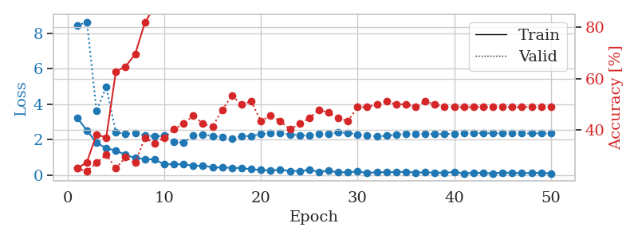
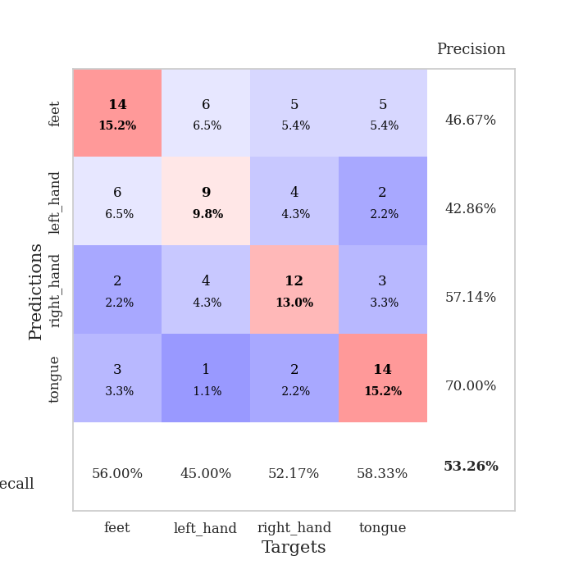
train_loss | valid_loss | train_accuracy | valid_accuracy | dur | train_misclass | valid_misclass
3.2314865828 | 8.4550668675 | 0.25 | 0.25 | 0.034465312958 | 25 | 25
2.5192108154 | 8.6554148715 | 0.27445652174 | 0.23913043478 | 0.03351688385 | 27.445652174 | 23.913043478
1.8119477272 | 3.6181922581 | 0.38315217391 | 0.27173913043 | 0.03297495842 | 38.315217391 | 27.173913043
1.5194357157 | 4.9779462607 | 0.36956521739 | 0.30434782609 | 0.032151937485 | 36.956521739 | 30.434782609
1.3780488968 | 2.4118520332 | 0.6277173913 | 0.25 | 0.033630132675 | 62.77173913 | 25
1.1321646214 | 2.324734636 | 0.64673913043 | 0.29347826087 | 0.032462120056 | 64.673913043 | 29.347826087
0.9616591692 | 2.3594115195 | 0.69565217391 | 0.27173913043 | 0.032526731491 | 69.565217391 | 27.173913043
0.90402797461 | 2.2498558604 | 0.81793478261 | 0.36956521739 | 0.032398223877 | 81.793478261 | 36.956521739
0.87169492245 | 2.1797965506 | 0.88043478261 | 0.34782608696 | 0.032935380936 | 88.043478261 | 34.782608696
0.60120885968 | 2.2183836232 | 0.86956521739 | 0.36956521739 | 0.03201675415 | 86.956521739 | 36.956521739
0.61473520398 | 1.8699347558 | 0.9347826087 | 0.40217391304 | 0.031791687012 | 93.47826087 | 40.217391304
0.59828845263 | 1.8288875766 | 0.9347826087 | 0.42391304348 | 0.032603263855 | 93.47826087 | 42.391304348
0.52662078738 | 2.2161395653 | 0.92934782609 | 0.45652173913 | 0.033050060272 | 92.934782609 | 45.652173913
0.51826143861 | 2.2961883752 | 0.94565217391 | 0.42391304348 | 0.033681154251 | 94.565217391 | 42.391304348
0.43920493126 | 2.2021759178 | 0.94836956522 | 0.41304347826 | 0.032389163971 | 94.836956522 | 41.304347826
0.41478013396 | 2.1614563983 | 0.97554347826 | 0.47826086957 | 0.032464742661 | 97.554347826 | 47.826086957
0.40711762309 | 2.0426033787 | 0.98641304348 | 0.53260869565 | 0.033003568649 | 98.641304348 | 53.260869565
0.38150368929 | 2.1974931593 | 0.95923913043 | 0.5 | 0.033071994781 | 95.923913043 | 50
0.32693551481 | 2.2042045593 | 0.97010869565 | 0.51086956522 | 0.032747030258 | 97.010869565 | 51.086956522
0.28014593124 | 2.3191321933 | 0.98641304348 | 0.4347826087 | 0.03294634819 | 98.641304348 | 43.47826087
0.25144821107 | 2.3479804267 | 0.99456521739 | 0.45652173913 | 0.032850265503 | 99.456521739 | 45.652173913
0.29649886191 | 2.3579326816 | 0.99184782609 | 0.4347826087 | 0.032833337784 | 99.184782609 | 43.47826087
0.22651568055 | 2.2934748919 | 0.99456521739 | 0.40217391304 | 0.032863140106 | 99.456521739 | 40.217391304
0.2223020345 | 2.2500202967 | 0.98641304348 | 0.42391304348 | 0.032877206802 | 98.641304348 | 42.391304348
0.28434185982 | 2.2206833466 | 0.99456521739 | 0.44565217391 | 0.032908201218 | 99.456521739 | 44.565217391
0.18482969403 | 2.3064158896 | 0.9972826087 | 0.47826086957 | 0.032888412476 | 99.72826087 | 47.826086957
0.23956063539 | 2.3190036546 | 0.9972826087 | 0.46739130435 | 0.032828569412 | 99.72826087 | 46.739130435
0.14414294362 | 2.410932033 | 0.9972826087 | 0.44565217391 | 0.032912969589 | 99.72826087 | 44.565217391
0.16013371646 | 2.3699657606 | 0.9972826087 | 0.4347826087 | 0.032834529877 | 99.72826087 | 43.47826087
0.19123329818 | 2.2966889402 | 0.9972826087 | 0.48913043478 | 0.032844781876 | 99.72826087 | 48.913043478
0.11837939471 | 2.233523006 | 0.99456521739 | 0.48913043478 | 0.032846927643 | 99.456521739 | 48.913043478
0.14658456594 | 2.1847514588 | 0.9972826087 | 0.5 | 0.032835483551 | 99.72826087 | 50
0.15597821474 | 2.2168540229 | 1 | 0.51086956522 | 0.03288435936 | 100 | 51.086956522
0.16502905041 | 2.2776304017 | 1 | 0.5 | 0.032883167267 | 100 | 50
0.18246629834 | 2.3147094457 | 1 | 0.5 | 0.033130407333 | 100 | 50
0.13352988511 | 2.3201091704 | 1 | 0.48913043478 | 0.032857656479 | 100 | 48.913043478
0.14053813219 | 2.3268414373 | 1 | 0.51086956522 | 0.032827854156 | 100 | 51.086956522
0.13312395811 | 2.3089899291 | 1 | 0.5 | 0.032868385315 | 100 | 50
0.12242803574 | 2.3115979692 | 1 | 0.48913043478 | 0.032883882523 | 100 | 48.913043478
0.16407235861 | 2.3339612173 | 1 | 0.48913043478 | 0.034771442413 | 100 | 48.913043478
0.086963291466 | 2.3529999671 | 1 | 0.48913043478 | 0.031902313232 | 100 | 48.913043478
0.12587005496 | 2.3674743383 | 1 | 0.48913043478 | 0.032963514328 | 100 | 48.913043478
0.11161176413 | 2.3651713185 | 1 | 0.48913043478 | 0.032638788223 | 100 | 48.913043478
0.089186832309 | 2.3605564885 | 1 | 0.48913043478 | 0.032392263412 | 100 | 48.913043478
0.13796245456 | 2.3594091872 | 1 | 0.48913043478 | 0.036853313446 | 100 | 48.913043478
0.11442541331 | 2.3560340405 | 1 | 0.48913043478 | 0.032464027405 | 100 | 48.913043478
0.10070179477 | 2.3530955107 | 1 | 0.48913043478 | 0.032764434814 | 100 | 48.913043478
0.1104870677 | 2.352554653 | 1 | 0.48913043478 | 0.033215284348 | 100 | 48.913043478
0.12405668795 | 2.3533267353 | 1 | 0.48913043478 | 0.033125162125 | 100 | 48.913043478
0.084038314223 | 2.3539376363 | 1 | 0.48913043478 | 0.032917976379 | 100 | 48.913043478

Best Val accuracy is 0.532608695652174 and Best test accuracy is 0.35344827586206895

Sheet5
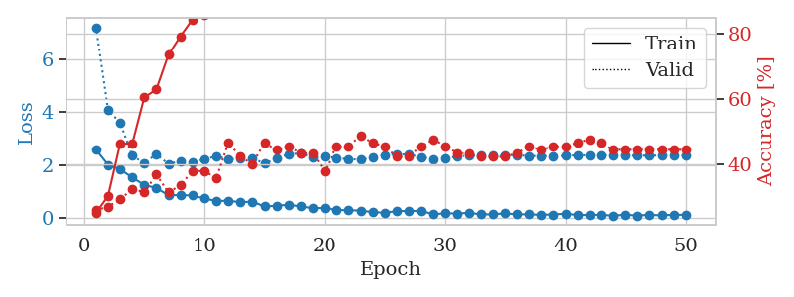
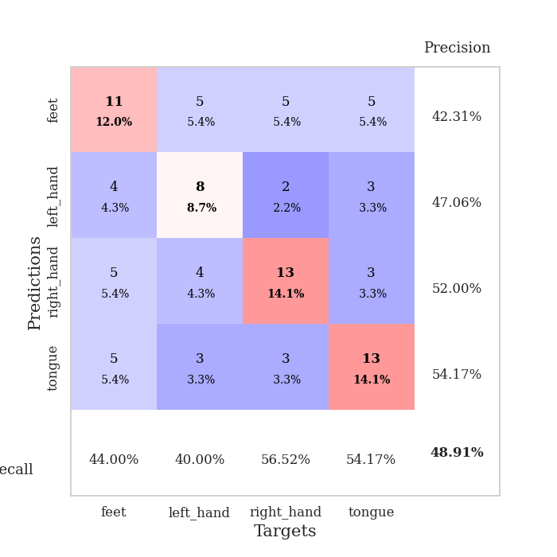
train_loss | valid_loss | train_accuracy | valid_accuracy | dur | train_misclass | valid_misclass
2.5737555504 | 7.2259649401 | 0.2527173913 | 0.26086956522 | 0.034784555435 | 25.27173913 | 26.086956522
2.0017724991 | 4.082468945 | 0.30434782609 | 0.27173913043 | 0.033871650696 | 30.434782609 | 27.173913043
1.8275146723 | 3.605695797 | 0.46467391304 | 0.29347826087 | 0.033617019653 | 46.467391304 | 29.347826087
1.5202279568 | 2.3465228495 | 0.46467391304 | 0.32608695652 | 0.033252954483 | 46.467391304 | 32.608695652
1.2370971918 | 2.0613107215 | 0.60597826087 | 0.3152173913 | 0.033699512482 | 60.597826087 | 31.52173913
1.1245284915 | 2.4059302496 | 0.63043478261 | 0.36956521739 | 0.032791852951 | 63.043478261 | 36.956521739
0.84747282267 | 2.0294781871 | 0.73641304348 | 0.3152173913 | 0.033606052399 | 73.641304348 | 31.52173913
0.85651484728 | 2.1474106208 | 0.79347826087 | 0.33695652174 | 0.032715797424 | 79.347826087 | 33.695652174
0.83815224171 | 2.0907307293 | 0.84510869565 | 0.38043478261 | 0.032705545425 | 84.510869565 | 38.043478261
0.72928029299 | 2.2077975584 | 0.85869565217 | 0.38043478261 | 0.033233642578 | 85.869565217 | 38.043478261
0.63113950491 | 2.3244795592 | 0.89945652174 | 0.35869565217 | 0.032936573029 | 89.945652174 | 35.869565217
0.64099490643 | 2.2088675603 | 0.88586956522 | 0.46739130435 | 0.032978773117 | 88.586956522 | 46.739130435
0.58617697954 | 2.2315535442 | 0.9402173913 | 0.42391304348 | 0.033977508545 | 94.02173913 | 42.391304348
0.60812774301 | 2.2514057678 | 0.92934782609 | 0.40217391304 | 0.033154249191 | 92.934782609 | 40.217391304
0.42451990843 | 2.05174783 | 0.94565217391 | 0.46739130435 | 0.033146619797 | 94.565217391 | 46.739130435
0.45352000594 | 2.2342314616 | 0.94836956522 | 0.44565217391 | 0.033068656921 | 94.836956522 | 44.565217391
0.48782973289 | 2.4114318412 | 0.95380434783 | 0.45652173913 | 0.033159732819 | 95.380434783 | 45.652173913
0.428194803 | 2.4292035103 | 0.98097826087 | 0.4347826087 | 0.033536434174 | 98.097826087 | 43.47826087
0.35794089437 | 2.290064791 | 0.97282608696 | 0.4347826087 | 0.03316783905 | 97.282608696 | 43.47826087
0.37106436193 | 2.3365687702 | 0.96739130435 | 0.38043478261 | 0.034795045853 | 96.739130435 | 38.043478261
0.29026633799 | 2.2540449681 | 0.98369565217 | 0.45652173913 | 0.034119606018 | 98.369565217 | 45.652173913
0.28302596509 | 2.2162766871 | 0.98913043478 | 0.45652173913 | 0.033465862274 | 98.913043478 | 45.652173913
0.26946021616 | 2.1969331036 | 0.9972826087 | 0.48913043478 | 0.033525466919 | 99.72826087 | 48.913043478
0.21195459962 | 2.2750166292 | 0.9972826087 | 0.46739130435 | 0.033466100693 | 99.72826087 | 46.739130435
0.18812660426 | 2.3763474692 | 1 | 0.45652173913 | 0.032902479172 | 100 | 45.652173913
0.24861798584 | 2.4027893751 | 0.99184782609 | 0.42391304348 | 0.0329682827 | 99.184782609 | 42.391304348
0.25494551659 | 2.3944028564 | 0.9972826087 | 0.42391304348 | 0.033093929291 | 99.72826087 | 42.391304348
0.25895850062 | 2.2981812228 | 0.9972826087 | 0.45652173913 | 0.035023212433 | 99.72826087 | 45.652173913
0.12427412719 | 2.2215908714 | 0.9972826087 | 0.47826086957 | 0.033663511276 | 99.72826087 | 47.826086957
0.17424540967 | 2.2445233594 | 1 | 0.45652173913 | 0.03390455246 | 100 | 45.652173913
0.15182391852 | 2.322427335 | 1 | 0.4347826087 | 0.032763719559 | 100 | 43.47826087
0.18960826397 | 2.3472305173 | 1 | 0.4347826087 | 0.032741785049 | 100 | 43.47826087
0.12490104735 | 2.3431997196 | 1 | 0.42391304348 | 0.033069849014 | 100 | 42.391304348
0.1268743068 | 2.3510118049 | 1 | 0.42391304348 | 0.033096551895 | 100 | 42.391304348
0.16552134454 | 2.3747673035 | 1 | 0.42391304348 | 0.033051013947 | 100 | 42.391304348
0.12670383304 | 2.3663345731 | 1 | 0.4347826087 | 0.033064603806 | 100 | 43.47826087
0.12844616026 | 2.3369912998 | 1 | 0.45652173913 | 0.032419681549 | 100 | 45.652173913
0.10854980797 | 2.3298563128 | 1 | 0.44565217391 | 0.03261089325 | 100 | 44.565217391
0.12234004885 | 2.3293939984 | 1 | 0.45652173913 | 0.033693552017 | 100 | 45.652173913
0.15230974704 | 2.3411655426 | 1 | 0.45652173913 | 0.032595396042 | 100 | 45.652173913
0.10262287259 | 2.3634506516 | 1 | 0.46739130435 | 0.033527612686 | 100 | 46.739130435
0.10355592519 | 2.3621252827 | 1 | 0.47826086957 | 0.035469055176 | 100 | 47.826086957
0.10819423571 | 2.3615266862 | 1 | 0.46739130435 | 0.032682657242 | 100 | 46.739130435
0.076627270877 | 2.3595960866 | 1 | 0.44565217391 | 0.033891916275 | 100 | 44.565217391
0.1105409272 | 2.3502946833 | 1 | 0.44565217391 | 0.033957719803 | 100 | 44.565217391
0.083113774657 | 2.3471709853 | 1 | 0.44565217391 | 0.034199476242 | 100 | 44.565217391
0.10588392243 | 2.3495209943 | 1 | 0.44565217391 | 0.03289937973 | 100 | 44.565217391
0.088523341715 | 2.3488672402 | 1 | 0.44565217391 | 0.032942533493 | 100 | 44.565217391
0.10888301507 | 2.3493694637 | 1 | 0.44565217391 | 0.033921003342 | 100 | 44.565217391
0.10811182112 | 2.3497578994 | 1 | 0.44565217391 | 0.034060239792 | 100 | 44.565217391

Best Val accuracy is 0.4891304347826087 and Best test accuracy is 0.3879310344827586

Sheet6
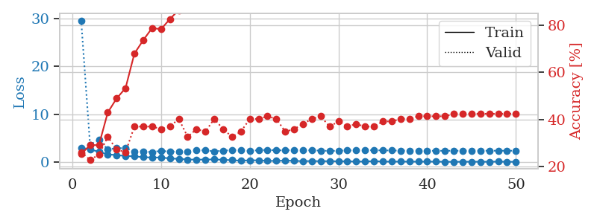
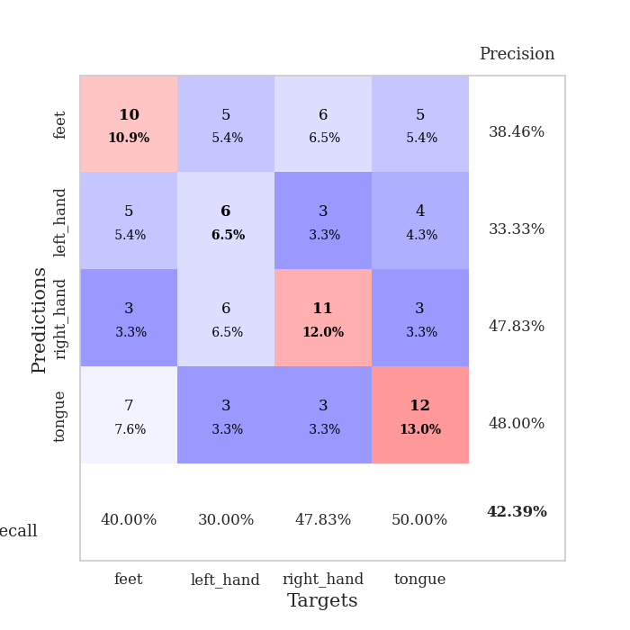
train_loss | valid_loss | train_accuracy | valid_accuracy | dur | train_misclass | valid_misclass
3.0462540627 | 29.587857371 | 0.2527173913 | 0.26086956522 | 0.038080692291 | 25.27173913 | 26.086956522
2.693124342 | 3.6901033547 | 0.29076086957 | 0.22826086957 | 0.03306388855 | 29.076086957 | 22.826086957
2.1961949587 | 4.7083234787 | 0.29076086957 | 0.25 | 0.035112380981 | 29.076086957 | 25
1.6715522051 | 2.676516989 | 0.42934782609 | 0.32608695652 | 0.032571792603 | 42.934782609 | 32.608695652
1.4936558008 | 2.952905572 | 0.48913043478 | 0.27173913043 | 0.03194475174 | 48.913043478 | 27.173913043
1.3395547152 | 2.9450957464 | 0.53260869565 | 0.26086956522 | 0.031770944595 | 53.260869565 | 26.086956522
1.2264578581 | 2.2980815328 | 0.67934782609 | 0.36956521739 | 0.031772136688 | 67.934782609 | 36.956521739
1.0756178141 | 2.2725843865 | 0.73641304348 | 0.36956521739 | 0.031913995743 | 73.641304348 | 36.956521739
0.98649628162 | 2.1137935908 | 0.78804347826 | 0.36956521739 | 0.031633615494 | 78.804347826 | 36.956521739
1.0152168274 | 2.4116917486 | 0.78260869565 | 0.35869565217 | 0.031832456589 | 78.260869565 | 35.869565217
0.80520519018 | 2.2020460834 | 0.82608695652 | 0.36956521739 | 0.031811475754 | 82.608695652 | 36.956521739
0.72069208622 | 2.2794996759 | 0.86413043478 | 0.40217391304 | 0.031756877899 | 86.413043478 | 40.217391304
0.59283106923 | 2.2671061599 | 0.89673913043 | 0.32608695652 | 0.032123565674 | 89.673913043 | 32.608695652
0.5620701015 | 2.470516153 | 0.90489130435 | 0.35869565217 | 0.032195091248 | 90.489130435 | 35.869565217
0.57720316648 | 2.5201604574 | 0.89130434783 | 0.34782608696 | 0.031873703003 | 89.130434783 | 34.782608696
0.60442669392 | 2.2675662663 | 0.92391304348 | 0.40217391304 | 0.034127473831 | 92.391304348 | 40.217391304
0.51964882016 | 2.4330549655 | 0.95108695652 | 0.35869565217 | 0.031506061554 | 95.108695652 | 35.869565217
0.44208098352 | 2.5472217124 | 0.97010869565 | 0.32608695652 | 0.03165102005 | 97.010869565 | 32.608695652
0.33316194713 | 2.5123654967 | 0.94293478261 | 0.34782608696 | 0.032314062119 | 94.293478261 | 34.782608696
0.41467735767 | 2.3612071224 | 0.96195652174 | 0.40217391304 | 0.031559944153 | 96.195652174 | 40.217391304
0.412550807 | 2.5370272657 | 0.98369565217 | 0.40217391304 | 0.033182859421 | 98.369565217 | 40.217391304
0.29725771248 | 2.5843720643 | 0.98369565217 | 0.41304347826 | 0.032911539078 | 98.369565217 | 41.304347826
0.29314578176 | 2.5016422997 | 0.99184782609 | 0.40217391304 | 0.032310962677 | 99.184782609 | 40.217391304
0.36496734619 | 2.495650053 | 0.99184782609 | 0.34782608696 | 0.032358407974 | 99.184782609 | 34.782608696
0.31034462452 | 2.5407340112 | 0.98641304348 | 0.35869565217 | 0.033072710037 | 98.641304348 | 35.869565217
0.23398659527 | 2.5877991552 | 0.99456521739 | 0.38043478261 | 0.032464742661 | 99.456521739 | 38.043478261
0.27751091123 | 2.477451086 | 0.9972826087 | 0.40217391304 | 0.032116651535 | 99.72826087 | 40.217391304
0.22640122175 | 2.4530073767 | 0.9972826087 | 0.41304347826 | 0.031863927841 | 99.72826087 | 41.304347826
0.24878118634 | 2.3595309828 | 1 | 0.36956521739 | 0.032031059265 | 100 | 36.956521739
0.21268242598 | 2.4190604117 | 1 | 0.39130434783 | 0.032292604446 | 100 | 39.130434783
0.22156983614 | 2.4647281792 | 1 | 0.36956521739 | 0.033002376556 | 100 | 36.956521739
0.14815898538 | 2.5106806237 | 1 | 0.38043478261 | 0.034645557404 | 100 | 38.043478261
0.18153728247 | 2.5451493782 | 1 | 0.36956521739 | 0.031938314438 | 100 | 36.956521739
0.25062425137 | 2.5223176272 | 1 | 0.36956521739 | 0.031744480133 | 100 | 36.956521739
0.16753765643 | 2.4918103425 | 1 | 0.39130434783 | 0.031704902649 | 100 | 39.130434783
0.13484750092 | 2.4579719564 | 1 | 0.39130434783 | 0.031758785248 | 100 | 39.130434783
0.16632896662 | 2.4406002086 | 1 | 0.40217391304 | 0.032734155655 | 100 | 40.217391304
0.13944592923 | 2.4048122945 | 1 | 0.40217391304 | 0.031930446625 | 100 | 40.217391304
0.14657844901 | 2.4247317832 | 1 | 0.41304347826 | 0.032168149948 | 100 | 41.304347826
0.14678039104 | 2.4192014984 | 1 | 0.41304347826 | 0.032223463058 | 100 | 41.304347826
0.13960076123 | 2.4025441667 | 1 | 0.41304347826 | 0.032081842422 | 100 | 41.304347826
0.1198309958 | 2.4049429064 | 1 | 0.41304347826 | 0.032249212265 | 100 | 41.304347826
0.09392984882 | 2.4054374902 | 1 | 0.42391304348 | 0.031933307648 | 100 | 42.391304348
0.12494404092 | 2.4073717076 | 1 | 0.42391304348 | 0.032351970673 | 100 | 42.391304348
0.11841358989 | 2.4065986716 | 1 | 0.42391304348 | 0.031967163086 | 100 | 42.391304348
0.12398899198 | 2.4092295066 | 1 | 0.42391304348 | 0.032101392746 | 100 | 42.391304348
0.11339419745 | 2.4111880116 | 1 | 0.42391304348 | 0.031963348389 | 100 | 42.391304348
0.15350986272 | 2.4118748333 | 1 | 0.42391304348 | 0.031755447388 | 100 | 42.391304348
0.11094406545 | 2.4118231794 | 1 | 0.42391304348 | 0.031731843948 | 100 | 42.391304348
0.10489006191 | 2.4121657351 | 1 | 0.42391304348 | 0.031836748123 | 100 | 42.391304348

Best Val accuracy is 0.42391304347826086 and Best test accuracy is 0.39655172413793105

Sheet7
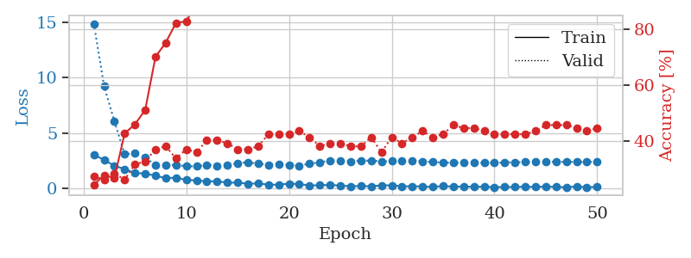
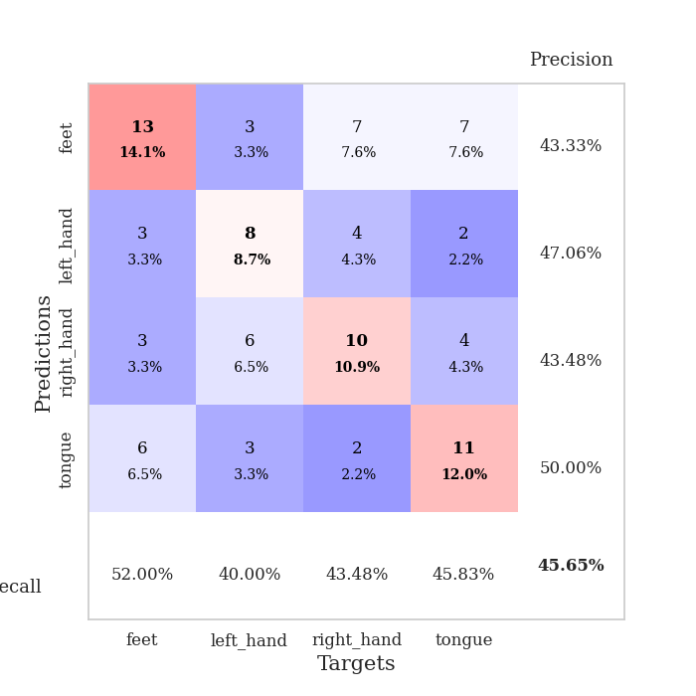
train_loss | valid_loss | train_accuracy | valid_accuracy | dur | train_misclass | valid_misclass
3.0355865479 | 14.902048567 | 0.24184782609 | 0.27173913043 | 0.035263299942 | 24.184782609 | 27.173913043
2.5715945244 | 9.2328358111 | 0.27717391304 | 0.26086956522 | 0.035155057907 | 27.717391304 | 26.086956522
2.0361461401 | 6.0722163449 | 0.26630434783 | 0.28260869565 | 0.034401893616 | 26.630434783 | 28.260869565
1.7444451094 | 3.0806373928 | 0.42663043478 | 0.26086956522 | 0.034005641937 | 42.663043478 | 26.086956522
1.3605819702 | 3.1657402723 | 0.45923913043 | 0.3152173913 | 0.033183574677 | 45.923913043 | 31.52173913
1.3543615103 | 2.8322745924 | 0.51086956522 | 0.32608695652 | 0.034164428711 | 51.086956522 | 32.608695652
1.1235966325 | 2.0577846869 | 0.70108695652 | 0.36956521739 | 0.033588647842 | 70.108695652 | 36.956521739
0.92786459923 | 2.1092429679 | 0.7527173913 | 0.38043478261 | 0.034624099731 | 75.27173913 | 38.043478261
0.947514534 | 2.1068462807 | 0.82336956522 | 0.33695652174 | 0.034065246582 | 82.336956522 | 33.695652174
0.76206623316 | 1.9911582885 | 0.82880434783 | 0.36956521739 | 0.033186435699 | 82.880434783 | 36.956521739
0.71108946204 | 1.9815207046 | 0.89402173913 | 0.35869565217 | 0.033241510391 | 89.402173913 | 35.869565217
0.62123061419 | 2.1073978103 | 0.89945652174 | 0.40217391304 | 0.033285617828 | 89.945652174 | 40.217391304
0.63692829013 | 2.052252899 | 0.91576086957 | 0.40217391304 | 0.033475875854 | 91.576086957 | 40.217391304
0.51183232665 | 2.0792582398 | 0.94565217391 | 0.39130434783 | 0.03325009346 | 94.565217391 | 39.130434783
0.51208119988 | 2.264989656 | 0.94293478261 | 0.36956521739 | 0.033365488052 | 94.293478261 | 36.956521739
0.41179164052 | 2.366299764 | 0.9402173913 | 0.36956521739 | 0.034920454025 | 94.02173913 | 36.956521739
0.43673129082 | 2.2226255769 | 0.96739130435 | 0.38043478261 | 0.032900094986 | 96.739130435 | 38.043478261
0.33111875057 | 2.1331769798 | 0.98913043478 | 0.42391304348 | 0.032893419266 | 98.913043478 | 42.391304348
0.32049311996 | 2.1750494708 | 0.97554347826 | 0.42391304348 | 0.033727169037 | 97.554347826 | 42.391304348
0.42197874784 | 2.1125598783 | 0.98913043478 | 0.42391304348 | 0.032941818237 | 98.913043478 | 42.391304348
0.38297268152 | 2.0353364012 | 0.98913043478 | 0.4347826087 | 0.033311605453 | 98.913043478 | 43.47826087
0.25257115662 | 2.2321327873 | 0.98913043478 | 0.41304347826 | 0.034504652023 | 98.913043478 | 41.304347826
0.26914779544 | 2.3492622065 | 1 | 0.38043478261 | 0.033350944519 | 100 | 38.043478261
0.30480887294 | 2.5145445181 | 0.98097826087 | 0.39130434783 | 0.033336162567 | 98.097826087 | 39.130434783
0.24119950831 | 2.5104789216 | 0.98641304348 | 0.39130434783 | 0.033213376999 | 98.641304348 | 39.130434783
0.18314146101 | 2.4411155556 | 0.99184782609 | 0.38043478261 | 0.033159732819 | 99.184782609 | 38.043478261
0.20657907128 | 2.4935237739 | 0.98913043478 | 0.38043478261 | 0.033168077469 | 98.913043478 | 38.043478261
0.17419068068 | 2.5091140478 | 0.99456521739 | 0.41304347826 | 0.033099889755 | 99.456521739 | 41.304347826
0.26617468596 | 2.4266812698 | 0.9972826087 | 0.35869565217 | 0.03325676918 | 99.72826087 | 35.869565217
0.26612172723 | 2.4559419051 | 0.99456521739 | 0.41304347826 | 0.033251285553 | 99.456521739 | 41.304347826
0.17923309207 | 2.4747353429 | 1 | 0.39130434783 | 0.033091545105 | 100 | 39.130434783
0.17870557308 | 2.4601678226 | 1 | 0.41304347826 | 0.033135652542 | 100 | 41.304347826
0.16797118187 | 2.4333403111 | 1 | 0.4347826087 | 0.033172130585 | 100 | 43.47826087
0.11769191474 | 2.3762658783 | 1 | 0.41304347826 | 0.03328037262 | 100 | 41.304347826
0.20309970826 | 2.3226526406 | 1 | 0.42391304348 | 0.033123016357 | 100 | 42.391304348
0.14256620854 | 2.3168150342 | 1 | 0.45652173913 | 0.033251523972 | 100 | 45.652173913
0.15822962672 | 2.30888262 | 1 | 0.44565217391 | 0.033791542053 | 100 | 44.565217391
0.13072520941 | 2.3073081659 | 1 | 0.44565217391 | 0.035058021545 | 100 | 44.565217391
0.15253867805 | 2.2931401315 | 1 | 0.4347826087 | 0.033526182175 | 100 | 43.47826087
0.099580816925 | 2.302769267 | 1 | 0.42391304348 | 0.033096075058 | 100 | 42.391304348
0.11704600155 | 2.3293812897 | 1 | 0.42391304348 | 0.033039331436 | 100 | 42.391304348
0.11416442394 | 2.357758719 | 1 | 0.42391304348 | 0.032827615738 | 100 | 42.391304348
0.14980586767 | 2.3743347707 | 1 | 0.42391304348 | 0.033197402954 | 100 | 42.391304348
0.11220800728 | 2.3831731755 | 1 | 0.4347826087 | 0.033172607422 | 100 | 43.47826087
0.16540984362 | 2.3898444487 | 1 | 0.45652173913 | 0.033217668533 | 100 | 45.652173913
0.11427157223 | 2.389621434 | 1 | 0.45652173913 | 0.034983634949 | 100 | 45.652173913
0.098232425749 | 2.3889276878 | 1 | 0.45652173913 | 0.032851934433 | 100 | 45.652173913
0.16553126574 | 2.3888445833 | 1 | 0.44565217391 | 0.032966375351 | 100 | 44.565217391
0.092232882231 | 2.388954401 | 1 | 0.4347826087 | 0.033368587494 | 100 | 43.47826087
0.13186814785 | 2.388953862 | 1 | 0.44565217391 | 0.032920360565 | 100 | 44.565217391

Best Val accuracy is 0.45652173913043476 and Best test accuracy is 0.3275862068965517

Sheet8
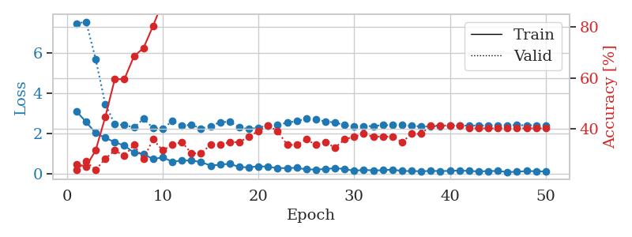
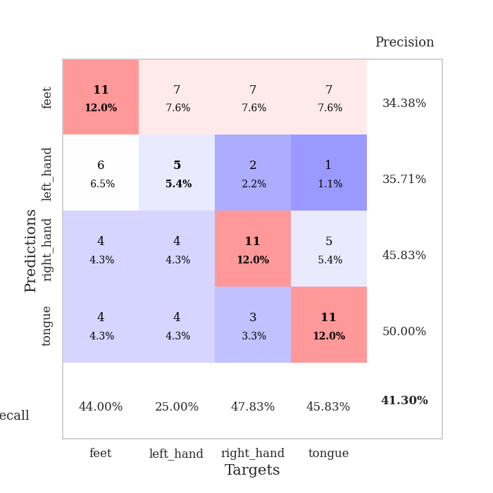
train_loss | valid_loss | train_accuracy | valid_accuracy | dur | train_misclass | valid_misclass
3.091112113 | 7.4584347683 | 0.26086956522 | 0.23913043478 | 0.034867286682 | 26.086956522 | 23.913043478
2.569717598 | 7.5490102768 | 0.2527173913 | 0.27173913043 | 0.034300088882 | 25.27173913 | 27.173913043
2.0138040066 | 5.7018413336 | 0.3152173913 | 0.23913043478 | 0.03403878212 | 31.52173913 | 23.913043478
1.7805465698 | 3.4636499467 | 0.44565217391 | 0.28260869565 | 0.033915996552 | 44.565217391 | 28.260869565
1.5593410015 | 2.4494151758 | 0.59510869565 | 0.3152173913 | 0.03403544426 | 59.510869565 | 31.52173913
1.3931777954 | 2.4169959193 | 0.59510869565 | 0.29347826087 | 0.034173488617 | 59.510869565 | 29.347826087
1.0405718803 | 2.290117212 | 0.6847826087 | 0.33695652174 | 0.034002542496 | 68.47826087 | 33.695652174
0.97400172949 | 2.7233512972 | 0.71739130435 | 0.28260869565 | 0.034182786942 | 71.739130435 | 28.260869565
0.71672929525 | 2.2648607752 | 0.80434782609 | 0.35869565217 | 0.033903360367 | 80.434782609 | 35.869565217
0.80907229185 | 2.2124108335 | 0.89945652174 | 0.3152173913 | 0.03417634964 | 89.945652174 | 31.52173913
0.59143595099 | 2.6224051558 | 0.875 | 0.33695652174 | 0.034361124039 | 87.5 | 33.695652174
0.64913922548 | 2.3723822055 | 0.91847826087 | 0.34782608696 | 0.034235954285 | 91.847826087 | 34.782608696
0.65047288537 | 2.4277142442 | 0.8777173913 | 0.30434782609 | 0.03627872467 | 87.77173913 | 30.434782609
0.57324182987 | 2.2393122393 | 0.95108695652 | 0.30434782609 | 0.034065961838 | 95.108695652 | 30.434782609
0.39954221249 | 2.3549779757 | 0.97010869565 | 0.33695652174 | 0.034041881561 | 97.010869565 | 33.695652174
0.44142479002 | 2.5600778953 | 0.94565217391 | 0.33695652174 | 0.03385591507 | 94.565217391 | 33.695652174
0.49080194235 | 2.5750923882 | 0.95108695652 | 0.34782608696 | 0.034025907516 | 95.108695652 | 34.782608696
0.32350496054 | 2.2908451557 | 0.96467391304 | 0.34782608696 | 0.033999443054 | 96.467391304 | 34.782608696
0.31115621924 | 2.2145712583 | 0.97554347826 | 0.36956521739 | 0.035658597946 | 97.554347826 | 36.956521739
0.36106485426 | 2.2800960541 | 0.98369565217 | 0.39130434783 | 0.036382436752 | 98.369565217 | 39.130434783
0.34461891055 | 2.3953180728 | 0.98369565217 | 0.41304347826 | 0.037410736084 | 98.369565217 | 41.304347826
0.26889287829 | 2.413542592 | 0.99184782609 | 0.39130434783 | 0.036490440369 | 99.184782609 | 39.130434783
0.27684981227 | 2.5359945401 | 0.98369565217 | 0.33695652174 | 0.036331892014 | 98.369565217 | 33.695652174
0.28398500681 | 2.6014498628 | 0.9972826087 | 0.33695652174 | 0.036382675171 | 99.72826087 | 33.695652174
0.20960893929 | 2.7415797296 | 0.9972826087 | 0.35869565217 | 0.036196708679 | 99.72826087 | 35.869565217
0.20186378956 | 2.7020931762 | 1 | 0.33695652174 | 0.036180973053 | 100 | 33.695652174
0.22366773784 | 2.5866106178 | 1 | 0.34782608696 | 0.036422729492 | 100 | 34.782608696
0.26962921619 | 2.5408648512 | 0.99456521739 | 0.32608695652 | 0.036412239075 | 99.456521739 | 32.608695652
0.22691016793 | 2.4056888819 | 1 | 0.35869565217 | 0.036296367645 | 100 | 35.869565217
0.13664360791 | 2.3395893677 | 0.9972826087 | 0.36956521739 | 0.036721229553 | 99.72826087 | 36.956521739
0.18879655004 | 2.3533876305 | 0.9972826087 | 0.38043478261 | 0.036088943481 | 99.72826087 | 38.043478261
0.1543835938 | 2.3635946201 | 1 | 0.36956521739 | 0.036500692368 | 100 | 36.956521739
0.16740123332 | 2.4104912281 | 1 | 0.36956521739 | 0.040413856506 | 100 | 36.956521739
0.20020790696 | 2.4138662089 | 1 | 0.36956521739 | 0.033383607864 | 100 | 36.956521739
0.12651435435 | 2.4056532331 | 1 | 0.34782608696 | 0.03338932991 | 100 | 34.782608696
0.12663174123 | 2.3667943633 | 1 | 0.38043478261 | 0.033367395401 | 100 | 38.043478261
0.11448612809 | 2.3435879998 | 1 | 0.38043478261 | 0.033402204514 | 100 | 38.043478261
0.1341548577 | 2.3406934427 | 1 | 0.41304347826 | 0.033316373825 | 100 | 41.304347826
0.12498964071 | 2.3638458459 | 1 | 0.41304347826 | 0.033539295197 | 100 | 41.304347826
0.13180189431 | 2.3683416325 | 1 | 0.41304347826 | 0.033512353897 | 100 | 41.304347826
0.15430983603 | 2.3821390712 | 1 | 0.41304347826 | 0.035235881805 | 100 | 41.304347826
0.12907357588 | 2.3894744127 | 1 | 0.40217391304 | 0.03338766098 | 100 | 40.217391304
0.10886962861 | 2.3876112751 | 1 | 0.40217391304 | 0.033459663391 | 100 | 40.217391304
0.12373523414 | 2.3956598821 | 1 | 0.40217391304 | 0.033294677734 | 100 | 40.217391304
0.13006860018 | 2.4014916938 | 1 | 0.40217391304 | 0.033342599869 | 100 | 40.217391304
0.077759718895 | 2.4039786173 | 1 | 0.40217391304 | 0.032153129578 | 100 | 40.217391304
0.092341399193 | 2.4048920403 | 1 | 0.40217391304 | 0.033513784409 | 100 | 40.217391304
0.12674646825 | 2.4032389599 | 1 | 0.40217391304 | 0.033098697662 | 100 | 40.217391304
0.11735680252 | 2.4033567387 | 1 | 0.40217391304 | 0.033593416214 | 100 | 40.217391304
0.10203267336 | 2.40342786 | 1 | 0.40217391304 | 0.0335252285 | 100 | 40.217391304

Best Val accuracy is 0.41304347826086957 and Best test accuracy is 0.3017241379310345

Sheet9
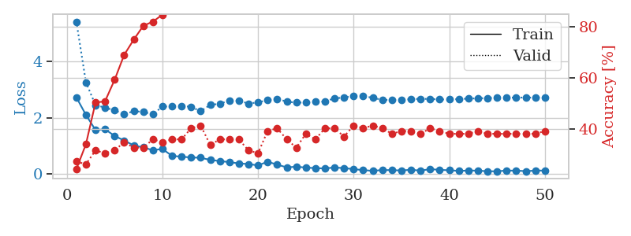
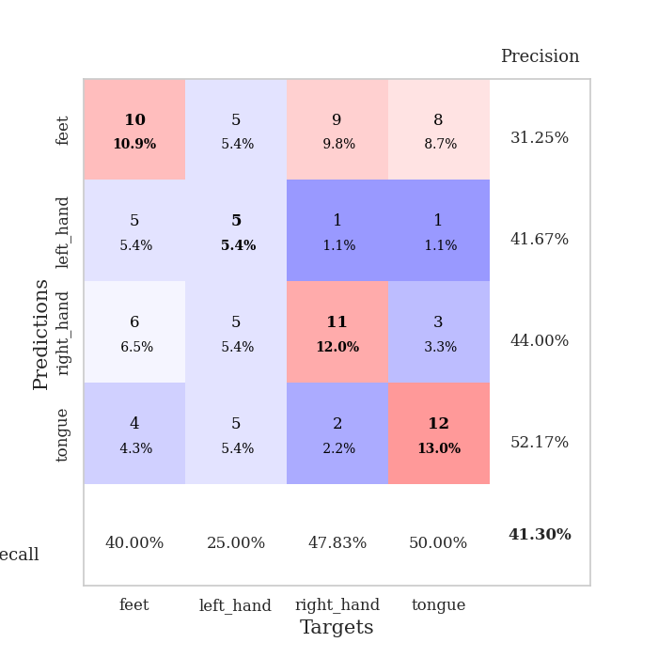
train_loss | valid_loss | train_accuracy | valid_accuracy | dur | train_misclass | valid_misclass
2.7211432457 | 5.4173857855 | 0.24184782609 | 0.27173913043 | 0.034254550934 | 24.184782609 | 27.173913043
2.098421526 | 3.2574154709 | 0.33967391304 | 0.26086956522 | 0.033671140671 | 33.967391304 | 26.086956522
1.5591854334 | 2.4472081247 | 0.5027173913 | 0.3152173913 | 0.033427000046 | 50.27173913 | 31.52173913
1.5853728294 | 2.3577899104 | 0.50815217391 | 0.30434782609 | 0.033454179764 | 50.815217391 | 30.434782609
1.3503555775 | 2.2576977792 | 0.59239130435 | 0.3152173913 | 0.033408164978 | 59.239130435 | 31.52173913
1.1846084833 | 2.1249317294 | 0.6902173913 | 0.34782608696 | 0.033006906509 | 69.02173913 | 34.782608696
1.0126139998 | 2.2287832136 | 0.75 | 0.32608695652 | 0.033001899719 | 75 | 32.608695652
0.93845118284 | 2.2051799919 | 0.80434782609 | 0.32608695652 | 0.032821178436 | 80.434782609 | 32.608695652
0.8425534606 | 2.1178845478 | 0.82065217391 | 0.35869565217 | 0.0325756073 | 82.065217391 | 35.869565217
0.88595707417 | 2.3951270891 | 0.84782608696 | 0.34782608696 | 0.033298254013 | 84.782608696 | 34.782608696
0.6397259593 | 2.398874345 | 0.88043478261 | 0.35869565217 | 0.033445596695 | 88.043478261 | 35.869565217
0.61031560898 | 2.4201306882 | 0.9347826087 | 0.35869565217 | 0.033231258392 | 93.47826087 | 35.869565217
0.58266762495 | 2.3843650092 | 0.95108695652 | 0.40217391304 | 0.03346991539 | 95.108695652 | 40.217391304
0.57374773622 | 2.2282235571 | 0.95923913043 | 0.41304347826 | 0.032762527466 | 95.923913043 | 41.304347826
0.49467109442 | 2.4553273968 | 0.94565217391 | 0.33695652174 | 0.032768249512 | 94.565217391 | 33.695652174
0.45578857362 | 2.4926136369 | 0.95108695652 | 0.35869565217 | 0.033045530319 | 95.108695652 | 35.869565217
0.41695830822 | 2.6112916884 | 0.96195652174 | 0.35869565217 | 0.033718585968 | 96.195652174 | 35.869565217
0.37134070992 | 2.6005027916 | 0.96195652174 | 0.35869565217 | 0.033407211304 | 96.195652174 | 35.869565217
0.34870499969 | 2.504207891 | 0.96195652174 | 0.3152173913 | 0.033152103424 | 96.195652174 | 31.52173913
0.30085653663 | 2.5415202224 | 0.98369565217 | 0.30434782609 | 0.034950494766 | 98.369565217 | 30.434782609
0.43120459914 | 2.6277084973 | 0.97826086957 | 0.39130434783 | 0.033930063248 | 97.826086957 | 39.130434783
0.32678450942 | 2.6707408739 | 0.98641304348 | 0.40217391304 | 0.034472942352 | 98.641304348 | 40.217391304
0.23166184723 | 2.5703976362 | 0.98097826087 | 0.35869565217 | 0.033212423325 | 98.097826087 | 35.869565217
0.25281181335 | 2.5341038186 | 0.99456521739 | 0.32608695652 | 0.033209085464 | 99.456521739 | 32.608695652
0.22483409643 | 2.5406989118 | 0.99456521739 | 0.38043478261 | 0.032744646072 | 99.456521739 | 38.043478261
0.20165790617 | 2.563104899 | 1 | 0.35869565217 | 0.032907009125 | 100 | 35.869565217
0.1933683902 | 2.5772429135 | 0.99456521739 | 0.40217391304 | 0.033411741257 | 99.456521739 | 40.217391304
0.22552802265 | 2.6880177726 | 0.99184782609 | 0.40217391304 | 0.033148527145 | 99.184782609 | 40.217391304
0.20279485285 | 2.7132739813 | 1 | 0.36956521739 | 0.035320997238 | 100 | 36.956521739
0.16899316907 | 2.7792262098 | 1 | 0.41304347826 | 0.035244226456 | 100 | 41.304347826
0.1299968183 | 2.7654828507 | 1 | 0.40217391304 | 0.033447742462 | 100 | 40.217391304
0.10854658931 | 2.7087373526 | 0.9972826087 | 0.41304347826 | 0.034263372421 | 99.72826087 | 41.304347826
0.13354648054 | 2.6306029921 | 0.9972826087 | 0.40217391304 | 0.032908678055 | 99.72826087 | 40.217391304
0.13199137002 | 2.6286290832 | 1 | 0.38043478261 | 0.03303027153 | 100 | 38.043478261
0.11827227175 | 2.6421331841 | 1 | 0.39130434783 | 0.033301830292 | 100 | 39.130434783
0.14563278407 | 2.6562497408 | 1 | 0.39130434783 | 0.035517454147 | 100 | 39.130434783
0.11308398992 | 2.6699709685 | 1 | 0.38043478261 | 0.032994031906 | 100 | 38.043478261
0.16802783906 | 2.6649852628 | 1 | 0.40217391304 | 0.032353878021 | 100 | 40.217391304
0.14180325568 | 2.6483466625 | 1 | 0.39130434783 | 0.032418727875 | 100 | 39.130434783
0.12586728036 | 2.6467657711 | 1 | 0.38043478261 | 0.032346010208 | 100 | 38.043478261
0.10515493825 | 2.6625558812 | 1 | 0.38043478261 | 0.034479618073 | 100 | 38.043478261
0.11622979641 | 2.6776902883 | 1 | 0.38043478261 | 0.032494544983 | 100 | 38.043478261
0.11481419727 | 2.6873696991 | 1 | 0.39130434783 | 0.032588720322 | 100 | 39.130434783
0.09046395272 | 2.6968343776 | 1 | 0.38043478261 | 0.032415390015 | 100 | 38.043478261
0.091795952618 | 2.7079339235 | 1 | 0.38043478261 | 0.032541275024 | 100 | 38.043478261
0.11568049639 | 2.7132032332 | 1 | 0.38043478261 | 0.032385110855 | 100 | 38.043478261
0.11302097142 | 2.7149067858 | 1 | 0.38043478261 | 0.032702207565 | 100 | 38.043478261
0.09656572789 | 2.7147955687 | 1 | 0.38043478261 | 0.032754182816 | 100 | 38.043478261
0.1135996148 | 2.7153527115 | 1 | 0.38043478261 | 0.035128116608 | 100 | 38.043478261
0.11828028113 | 2.7169375212 | 1 | 0.39130434783 | 0.033155202866 | 100 | 39.130434783

Best Val accuracy is 0.41304347826086957 and Best test accuracy is 0.39655172413793105

Sheet10
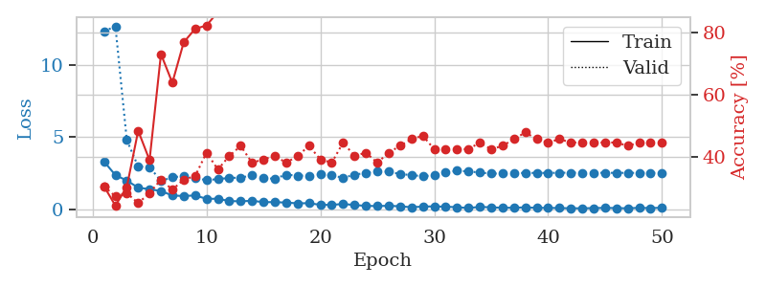
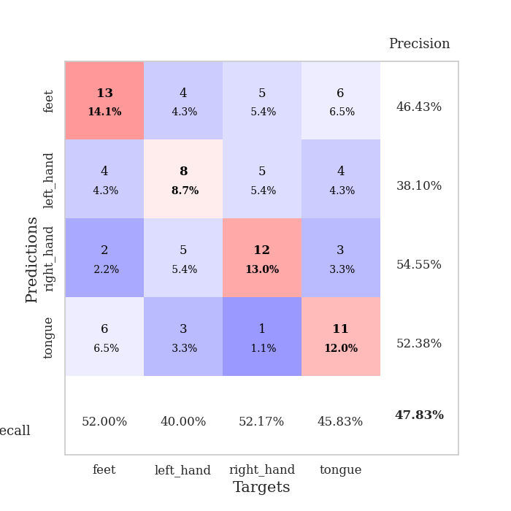
train_loss | valid_loss | train_accuracy | valid_accuracy | dur | train_misclass | valid_misclass
3.3176239014 | 12.293512179 | 0.30434782609 | 0.30434782609 | 0.036385774612 | 30.434782609 | 30.434782609
2.3814290524 | 12.638026155 | 0.24184782609 | 0.27173913043 | 0.0333776474 | 24.184782609 | 27.173913043
2.0082038164 | 4.7941228099 | 0.30163043478 | 0.28260869565 | 0.033039808273 | 30.163043478 | 28.260869565
1.5153642178 | 2.9726445571 | 0.48369565217 | 0.25 | 0.032599449158 | 48.369565217 | 25
1.4115287542 | 2.9432100731 | 0.38858695652 | 0.28260869565 | 0.032685279846 | 38.858695652 | 28.260869565
1.2842026949 | 1.9717557845 | 0.73097826087 | 0.32608695652 | 0.033147335052 | 73.097826087 | 32.608695652
0.97773147821 | 2.2324210094 | 0.63858695652 | 0.29347826087 | 0.03310251236 | 63.858695652 | 29.347826087
0.93767607212 | 2.3083324743 | 0.76902173913 | 0.32608695652 | 0.033057689667 | 76.902173913 | 32.608695652
0.98233458996 | 2.2022595095 | 0.8125 | 0.33695652174 | 0.033044576645 | 81.25 | 33.695652174
0.74707930088 | 2.0234505975 | 0.82336956522 | 0.41304347826 | 0.033059358597 | 82.336956522 | 41.304347826
0.75218535662 | 2.1130325535 | 0.86684782609 | 0.35869565217 | 0.033071517944 | 86.684782609 | 35.869565217
0.59091427326 | 2.1813001633 | 0.89130434783 | 0.40217391304 | 0.032944202423 | 89.130434783 | 40.217391304
0.57688630223 | 2.2141937795 | 0.93206521739 | 0.4347826087 | 0.035433769226 | 93.206521739 | 43.47826087
0.61096829176 | 2.3556890695 | 0.92119565217 | 0.38043478261 | 0.033178329468 | 92.119565217 | 38.043478261
0.51885035634 | 2.1624114824 | 0.91576086957 | 0.39130434783 | 0.032632827759 | 91.576086957 | 39.130434783
0.51955718398 | 2.1358713793 | 0.97010869565 | 0.40217391304 | 0.0330119133 | 97.010869565 | 40.217391304
0.4864239037 | 2.4144570724 | 0.95652173913 | 0.38043478261 | 0.03263759613 | 95.652173913 | 38.043478261
0.43735511303 | 2.3443841209 | 0.97010869565 | 0.40217391304 | 0.033090829849 | 97.010869565 | 40.217391304
0.44625055194 | 2.3475035792 | 0.98369565217 | 0.4347826087 | 0.03303694725 | 98.369565217 | 43.47826087
0.33339305222 | 2.4205567422 | 0.98913043478 | 0.39130434783 | 0.032614707947 | 98.913043478 | 39.130434783
0.32859146893 | 2.3623237403 | 0.97010869565 | 0.38043478261 | 0.032755374908 | 97.010869565 | 38.043478261
0.39563643932 | 2.1938487861 | 0.97826086957 | 0.44565217391 | 0.032791852951 | 97.826086957 | 44.565217391
0.31581613421 | 2.407680667 | 0.99184782609 | 0.40217391304 | 0.034167051315 | 99.184782609 | 40.217391304
0.26404898465 | 2.5374306596 | 0.97826086957 | 0.41304347826 | 0.033021211624 | 97.826086957 | 41.304347826
0.24659679234 | 2.6334145173 | 0.97826086957 | 0.38043478261 | 0.03268122673 | 97.826086957 | 38.043478261
0.26788883209 | 2.621028755 | 0.9972826087 | 0.41304347826 | 0.032951116562 | 99.72826087 | 41.304347826
0.23200461566 | 2.4526981582 | 0.9972826087 | 0.4347826087 | 0.033004045486 | 99.72826087 | 43.47826087
0.16403021067 | 2.3831184325 | 0.98913043478 | 0.45652173913 | 0.032573461533 | 98.913043478 | 45.652173913
0.21461668015 | 2.3033307272 | 1 | 0.46739130435 | 0.033120155334 | 100 | 46.739130435
0.22508949488 | 2.3762213769 | 0.9972826087 | 0.42391304348 | 0.034660339355 | 99.72826087 | 42.391304348
0.20362279415 | 2.5562810587 | 0.99456521739 | 0.42391304348 | 0.03306388855 | 99.456521739 | 42.391304348
0.16844505519 | 2.6822400197 | 0.99184782609 | 0.42391304348 | 0.03270316124 | 99.184782609 | 42.391304348
0.11376147643 | 2.6386373976 | 0.99456521739 | 0.42391304348 | 0.03311085701 | 99.456521739 | 42.391304348
0.19092899561 | 2.5566766158 | 1 | 0.44565217391 | 0.032864809036 | 100 | 44.565217391
0.15935415179 | 2.4853279176 | 1 | 0.42391304348 | 0.032967567444 | 100 | 42.391304348
0.13126254231 | 2.4940106039 | 1 | 0.4347826087 | 0.032725811005 | 100 | 43.47826087
0.13320941478 | 2.5256675119 | 1 | 0.45652173913 | 0.032518386841 | 100 | 45.652173913
0.15833449066 | 2.5288633782 | 1 | 0.47826086957 | 0.032513856888 | 100 | 47.826086957
0.12270194888 | 2.5335805831 | 1 | 0.45652173913 | 0.032814264297 | 100 | 45.652173913
0.12429012954 | 2.5297313566 | 1 | 0.44565217391 | 0.032730579376 | 100 | 44.565217391
0.10848254263 | 2.5429394349 | 1 | 0.45652173913 | 0.032631158829 | 100 | 45.652173913
0.095199741423 | 2.5473353033 | 1 | 0.44565217391 | 0.033071279526 | 100 | 44.565217391
0.093639993668 | 2.5437537691 | 1 | 0.44565217391 | 0.032634496689 | 100 | 44.565217391
0.10690132976 | 2.5413420304 | 1 | 0.44565217391 | 0.032778263092 | 100 | 44.565217391
0.12350349277 | 2.5376480455 | 1 | 0.44565217391 | 0.032763004303 | 100 | 44.565217391
0.10777058452 | 2.5368377955 | 1 | 0.44565217391 | 0.032865524292 | 100 | 44.565217391
0.09274302423 | 2.5359595859 | 1 | 0.4347826087 | 0.032620429993 | 100 | 43.47826087
0.12612774521 | 2.5358884127 | 1 | 0.44565217391 | 0.032865524292 | 100 | 44.565217391
0.10834450424 | 2.5343617045 | 1 | 0.44565217391 | 0.032804965973 | 100 | 44.565217391
0.13224798292 | 2.534687716 | 1 | 0.44565217391 | 0.032579660416 | 100 | 44.565217391

Best Val accuracy is 0.4782608695652174 and Best test accuracy is 0.41379310344827586

