Sheet
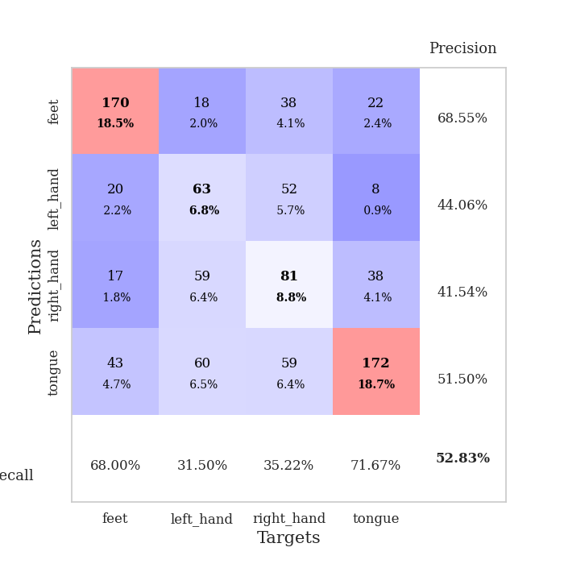
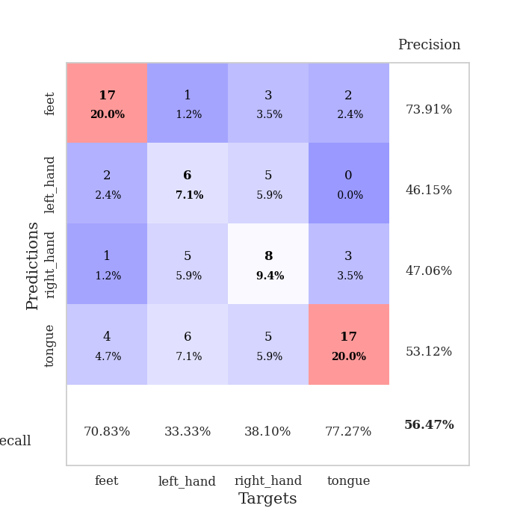
best_val_acc | best_val_los | best_test_acc
0.54347826087 | 1.876923841 | 0.43965517241
0.54347826087 | 1.7801732758 | 0.54310344828
0.52173913043 | 2.0907867007 | 0.43965517241
0.51086956522 | 1.8871287989 | 0.38793103448
0.55434782609 | 1.8026846336 | 0.43965517241
0.48913043478 | 2.1580388442 | 0.49137931034
0.55434782609 | 1.7991440348 | 0.49137931034
0.53260869565 | 1.8888654864 | 0.49137931034
0.52173913043 | 2.076214837 | 0.44827586207
0.51086956522 | 2.1742519399 | 0.5

Mean,std Val accuracy is 0.5282608695652173 , 0.02125054825886257 and mean, std test accuracy is 0.4672413793103448 , 0.04410708932034459

Sheet1
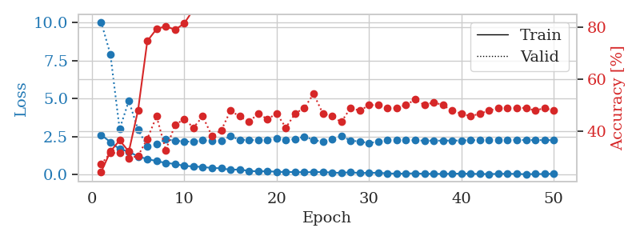
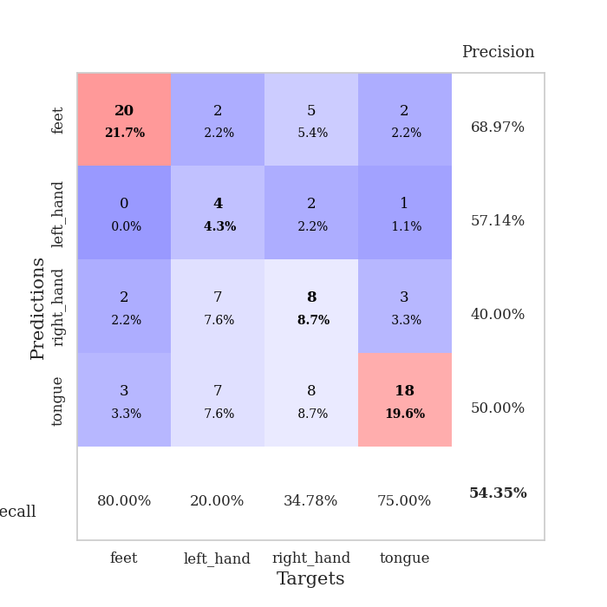
train_loss | valid_loss | train_accuracy | valid_accuracy | dur | train_misclass | valid_misclass
2.6185538054 | 10.027375885 | 0.24184782609 | 0.27173913043 | 0.034835100174 | 24.184782609 | 27.173913043
2.1489905596 | 7.9070423997 | 0.32065217391 | 0.3152173913 | 0.033620834351 | 32.065217391 | 31.52173913
1.6801521301 | 3.0002854078 | 0.36413043478 | 0.3152173913 | 0.033575534821 | 36.413043478 | 31.52173913
1.5178158522 | 4.8539693045 | 0.32065217391 | 0.29347826087 | 0.03326010704 | 32.065217391 | 29.347826087
1.1936394691 | 2.9529497209 | 0.48097826087 | 0.30434782609 | 0.032805681229 | 48.097826087 | 30.434782609
1.0334235191 | 1.876923841 | 0.7472826087 | 0.36956521739 | 0.033322095871 | 74.72826087 | 36.956521739
0.89439628124 | 1.9991928754 | 0.79347826087 | 0.45652173913 | 0.033576250076 | 79.347826087 | 45.652173913
0.77523630857 | 2.3355909845 | 0.80434782609 | 0.32608695652 | 0.033501148224 | 80.434782609 | 32.608695652
0.70825257301 | 2.2363192776 | 0.79076086957 | 0.42391304348 | 0.033153772354 | 79.076086957 | 42.391304348
0.5804908514 | 2.1850413913 | 0.8152173913 | 0.44565217391 | 0.032998085022 | 81.52173913 | 44.565217391
0.54864014983 | 2.1632628389 | 0.86956521739 | 0.41304347826 | 0.033216714859 | 86.956521739 | 41.304347826
0.50685036778 | 2.2550688101 | 0.90489130435 | 0.45652173913 | 0.033023357391 | 90.489130435 | 45.652173913
0.4423807919 | 2.2133589776 | 0.92663043478 | 0.38043478261 | 0.034147500992 | 92.663043478 | 38.043478261
0.42657390833 | 2.2409025379 | 0.95652173913 | 0.40217391304 | 0.033353090286 | 95.652173913 | 40.217391304
0.32146581411 | 2.5235059883 | 0.94293478261 | 0.47826086957 | 0.03301692009 | 94.293478261 | 47.826086957
0.35067527294 | 2.2989684343 | 0.98369565217 | 0.45652173913 | 0.033393383026 | 98.369565217 | 45.652173913
0.2461873889 | 2.2837744277 | 0.98369565217 | 0.4347826087 | 0.033378601074 | 98.369565217 | 43.47826087
0.22373986989 | 2.2602945722 | 0.98913043478 | 0.46739130435 | 0.033107280731 | 98.913043478 | 46.739130435
0.23238953948 | 2.3017769896 | 0.97554347826 | 0.44565217391 | 0.033397197723 | 97.554347826 | 44.565217391
0.19503964931 | 2.3871718801 | 0.98641304348 | 0.46739130435 | 0.032962560654 | 98.641304348 | 46.739130435
0.17828515172 | 2.3032182714 | 0.9972826087 | 0.41304347826 | 0.033185005188 | 99.72826087 | 41.304347826
0.17996969372 | 2.3367666991 | 1 | 0.46739130435 | 0.033207654953 | 100 | 46.739130435
0.16039283723 | 2.5110394125 | 1 | 0.48913043478 | 0.033243894577 | 100 | 48.913043478
0.17867280543 | 2.2814390711 | 1 | 0.54347826087 | 0.03346323967 | 100 | 54.347826087
0.17405847907 | 2.1596254784 | 1 | 0.46739130435 | 0.033491849899 | 100 | 46.739130435
0.14475487024 | 2.3535007238 | 1 | 0.45652173913 | 0.033114671707 | 100 | 45.652173913
0.11985302269 | 2.5459516463 | 1 | 0.4347826087 | 0.033378601074 | 100 | 43.47826087
0.16711995602 | 2.2460398052 | 0.9972826087 | 0.48913043478 | 0.032869577408 | 99.72826087 | 48.913043478
0.10898273289 | 2.1777226873 | 0.9972826087 | 0.47826086957 | 0.03323507309 | 99.72826087 | 47.826086957
0.12911926806 | 2.0833365865 | 1 | 0.5 | 0.033468484879 | 100 | 50
0.12908907607 | 2.1669473959 | 1 | 0.5 | 0.033376932144 | 100 | 50
0.086931246519 | 2.2668205085 | 1 | 0.48913043478 | 0.033318519592 | 100 | 48.913043478
0.073559080064 | 2.2716385074 | 1 | 0.48913043478 | 0.033311367035 | 100 | 48.913043478
0.07520622015 | 2.2724836184 | 1 | 0.5 | 0.034473180771 | 100 | 50
0.095936870575 | 2.262146276 | 1 | 0.52173913043 | 0.033793449402 | 100 | 52.173913043
0.056442810223 | 2.2361795643 | 1 | 0.5 | 0.033622741699 | 100 | 50
0.062833552063 | 2.2386922525 | 1 | 0.51086956522 | 0.033215284348 | 100 | 51.086956522
0.053837102279 | 2.2390269663 | 1 | 0.5 | 0.033302307129 | 100 | 50
0.068320730701 | 2.2430123402 | 1 | 0.47826086957 | 0.032577753067 | 100 | 47.826086957
0.07433577925 | 2.2488346774 | 1 | 0.46739130435 | 0.034618139267 | 100 | 46.739130435
0.065121238679 | 2.2660363757 | 1 | 0.45652173913 | 0.033269166946 | 100 | 45.652173913
0.051252996176 | 2.2698558413 | 1 | 0.46739130435 | 0.032371759415 | 100 | 46.739130435
0.047609728947 | 2.2851775314 | 1 | 0.47826086957 | 0.032795667648 | 100 | 47.826086957
0.056566277891 | 2.2814530912 | 1 | 0.48913043478 | 0.032677650452 | 100 | 48.913043478
0.067604849115 | 2.2814910619 | 1 | 0.48913043478 | 0.032735824585 | 100 | 48.913043478
0.052433292009 | 2.2817486887 | 1 | 0.48913043478 | 0.032695770264 | 100 | 48.913043478
0.035538672283 | 2.2767615318 | 1 | 0.48913043478 | 0.032727003098 | 100 | 48.913043478
0.049186479673 | 2.2751178949 | 1 | 0.47826086957 | 0.032666444778 | 100 | 47.826086957
0.048304117844 | 2.2758212919 | 1 | 0.48913043478 | 0.032789230347 | 100 | 48.913043478
0.065298820287 | 2.2720122752 | 1 | 0.47826086957 | 0.03266787529 | 100 | 47.826086957

Best Val accuracy is 0.5434782608695652 and Best test accuracy is 0.4396551724137931

Sheet2
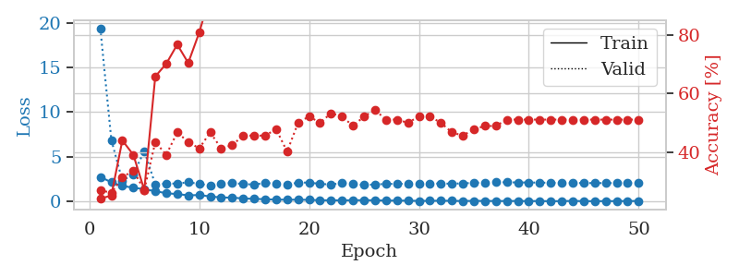
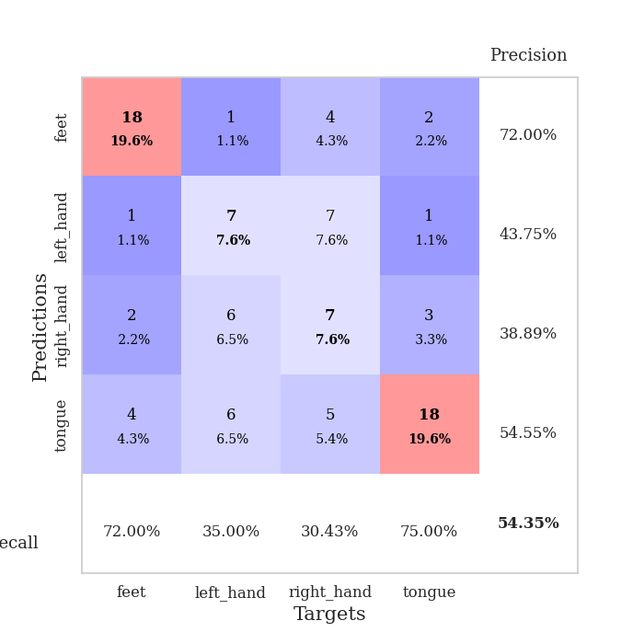
train_loss | valid_loss | train_accuracy | valid_accuracy | dur | train_misclass | valid_misclass
2.7550816298 | 19.34749172 | 0.24184782609 | 0.27173913043 | 0.033653974533 | 24.184782609 | 27.173913043
2.1533689737 | 6.8907556948 | 0.2527173913 | 0.26086956522 | 0.032994747162 | 25.27173913 | 26.086956522
1.7445911407 | 2.3399315088 | 0.4402173913 | 0.3152173913 | 0.032059192657 | 44.02173913 | 31.52173913
1.5504487753 | 3.0456827205 | 0.39130434783 | 0.33695652174 | 0.032727241516 | 39.130434783 | 33.695652174
1.3786390543 | 5.6489762638 | 0.27173913043 | 0.27173913043 | 0.032387256622 | 27.173913043 | 27.173913043
1.1595299721 | 1.9113919735 | 0.65760869565 | 0.4347826087 | 0.03188586235 | 65.760869565 | 43.47826087
0.93214173317 | 2.0006910303 | 0.70108695652 | 0.39130434783 | 0.032282590866 | 70.108695652 | 39.130434783
0.83275910616 | 2.0143805068 | 0.76630434783 | 0.46739130435 | 0.031811714172 | 76.630434783 | 46.739130435
0.69685457945 | 2.1518348715 | 0.70380434783 | 0.4347826087 | 0.032286167145 | 70.380434783 | 43.47826087
0.7271217227 | 1.9834577778 | 0.80706521739 | 0.41304347826 | 0.031756639481 | 80.706521739 | 41.304347826
0.57114145756 | 1.7801732758 | 0.9347826087 | 0.46739130435 | 0.031831502914 | 93.47826087 | 46.739130435
0.45258324742 | 2.0404919801 | 0.8777173913 | 0.41304347826 | 0.031794786453 | 87.77173913 | 41.304347826
0.43938056231 | 2.059977775 | 0.92663043478 | 0.42391304348 | 0.031935453415 | 92.663043478 | 42.391304348
0.34289200902 | 1.9713070755 | 0.96467391304 | 0.45652173913 | 0.031689882278 | 96.467391304 | 45.652173913
0.3049841404 | 1.8879002125 | 0.96739130435 | 0.45652173913 | 0.031681537628 | 96.739130435 | 45.652173913
0.25717503726 | 2.0960060617 | 0.98369565217 | 0.45652173913 | 0.031602859497 | 98.369565217 | 45.652173913
0.21778081059 | 1.977464453 | 0.98913043478 | 0.47826086957 | 0.031802177429 | 98.913043478 | 47.826086957
0.20508153737 | 1.9311482129 | 0.98097826087 | 0.40217391304 | 0.032582521439 | 98.097826087 | 40.217391304
0.20597294569 | 2.0932036275 | 0.99184782609 | 0.5 | 0.031723022461 | 99.184782609 | 50
0.18955220878 | 2.1356230352 | 0.98913043478 | 0.52173913043 | 0.032396316528 | 98.913043478 | 52.173913043
0.14238136411 | 1.9697824561 | 0.99456521739 | 0.5 | 0.032193422318 | 99.456521739 | 50
0.1422323361 | 1.9151860061 | 1 | 0.53260869565 | 0.031798362732 | 100 | 53.260869565
0.13146193773 | 2.0475852489 | 0.99456521739 | 0.52173913043 | 0.032118082047 | 99.456521739 | 52.173913043
0.14733170569 | 1.9563569919 | 0.99456521739 | 0.48913043478 | 0.031835794449 | 99.456521739 | 48.913043478
0.14833932966 | 1.8557840689 | 1 | 0.52173913043 | 0.031861782074 | 100 | 52.173913043
0.14106497914 | 1.9089310377 | 0.9972826087 | 0.54347826087 | 0.03190946579 | 99.72826087 | 54.347826087
0.10826174617 | 1.9733612693 | 0.9972826087 | 0.51086956522 | 0.032246589661 | 99.72826087 | 51.086956522
0.10990278535 | 1.972994934 | 1 | 0.51086956522 | 0.032001018524 | 100 | 51.086956522
0.099341677129 | 1.9996763001 | 1 | 0.5 | 0.033236026764 | 100 | 50
0.072499447316 | 1.9991734443 | 1 | 0.52173913043 | 0.031968832016 | 100 | 52.173913043
0.080486565083 | 2.0214967417 | 1 | 0.52173913043 | 0.031946659088 | 100 | 52.173913043
0.095311112702 | 2.0146577306 | 1 | 0.5 | 0.032220363617 | 100 | 50
0.080108156055 | 1.9971543447 | 1 | 0.46739130435 | 0.032035827637 | 100 | 46.739130435
0.063000711799 | 2.0331919401 | 1 | 0.45652173913 | 0.032060623169 | 100 | 45.652173913
0.076513879746 | 2.0901341386 | 1 | 0.47826086957 | 0.031937360764 | 100 | 47.826086957
0.069953069091 | 2.1321872317 | 1 | 0.48913043478 | 0.032387018204 | 100 | 48.913043478
0.061898946017 | 2.150304162 | 1 | 0.48913043478 | 0.032586574554 | 100 | 48.913043478
0.059980734438 | 2.155200072 | 1 | 0.51086956522 | 0.032113790512 | 100 | 51.086956522
0.064905742556 | 2.1353228973 | 1 | 0.51086956522 | 0.032158374786 | 100 | 51.086956522
0.050557758659 | 2.1306681374 | 1 | 0.51086956522 | 0.032128334045 | 100 | 51.086956522
0.058984041214 | 2.114848168 | 1 | 0.51086956522 | 0.032126665115 | 100 | 51.086956522
0.038035361096 | 2.0986172635 | 1 | 0.51086956522 | 0.032009840012 | 100 | 51.086956522
0.052386645973 | 2.0777790339 | 1 | 0.51086956522 | 0.031994581223 | 100 | 51.086956522
0.069771762937 | 2.0732670193 | 1 | 0.51086956522 | 0.032025098801 | 100 | 51.086956522
0.046854998544 | 2.0677427053 | 1 | 0.51086956522 | 0.032016992569 | 100 | 51.086956522
0.042973889038 | 2.0642466649 | 1 | 0.51086956522 | 0.032046318054 | 100 | 51.086956522
0.051746709272 | 2.0635329951 | 1 | 0.51086956522 | 0.032080888748 | 100 | 51.086956522
0.048825523257 | 2.066159295 | 1 | 0.51086956522 | 0.031960487366 | 100 | 51.086956522
0.060098566115 | 2.0633122144 | 1 | 0.51086956522 | 0.032058954239 | 100 | 51.086956522
0.061522228271 | 2.0645822909 | 1 | 0.51086956522 | 0.032030582428 | 100 | 51.086956522

Best Val accuracy is 0.5434782608695652 and Best test accuracy is 0.5431034482758621

Sheet3
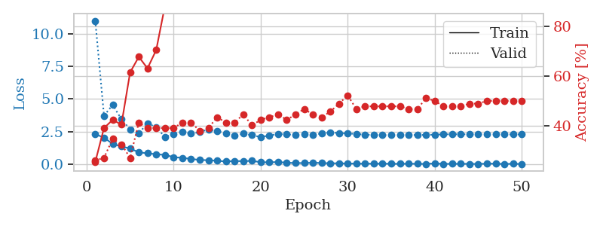
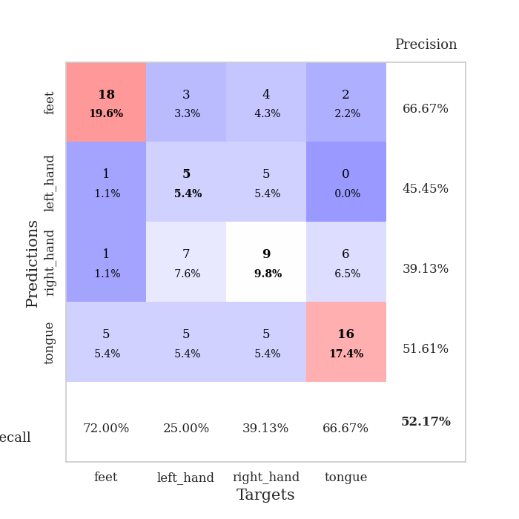
train_loss | valid_loss | train_accuracy | valid_accuracy | dur | train_misclass | valid_misclass
2.3219286203 | 10.984859342 | 0.25543478261 | 0.26086956522 | 0.037181854248 | 25.543478261 | 26.086956522
2.0463649273 | 3.7264750626 | 0.39130434783 | 0.27173913043 | 0.033967494965 | 39.130434783 | 27.173913043
1.577669239 | 4.5514326718 | 0.42391304348 | 0.34782608696 | 0.034174919128 | 42.391304348 | 34.782608696
1.3756769657 | 3.4594788551 | 0.40489130435 | 0.32608695652 | 0.034006595612 | 40.489130435 | 32.608695652
1.2187469244 | 2.682251526 | 0.61413043478 | 0.27173913043 | 0.033873081207 | 61.413043478 | 27.173913043
0.92804262638 | 2.3906175261 | 0.67663043478 | 0.41304347826 | 0.033971071243 | 67.663043478 | 41.304347826
0.85380944014 | 3.1433687106 | 0.63043478261 | 0.39130434783 | 0.033498764038 | 63.043478261 | 39.130434783
0.78256294727 | 2.8455700149 | 0.70380434783 | 0.39130434783 | 0.033805847168 | 70.380434783 | 39.130434783
0.73268731833 | 2.1020147541 | 0.88043478261 | 0.39130434783 | 0.033360004425 | 88.043478261 | 39.130434783
0.5598518312 | 2.3200617044 | 0.88043478261 | 0.39130434783 | 0.03388261795 | 88.043478261 | 39.130434783
0.50680171847 | 2.501729789 | 0.89130434783 | 0.41304347826 | 0.033895492554 | 89.130434783 | 41.304347826
0.42440285087 | 2.3525645526 | 0.95380434783 | 0.41304347826 | 0.033939838409 | 95.380434783 | 41.304347826
0.34455745816 | 2.465521688 | 0.95652173913 | 0.38043478261 | 0.033457756042 | 95.652173913 | 38.043478261
0.32545884848 | 2.6919340154 | 0.9402173913 | 0.39130434783 | 0.033478021622 | 94.02173913 | 39.130434783
0.28291470706 | 2.565260628 | 0.96195652174 | 0.4347826087 | 0.033634185791 | 96.195652174 | 43.47826087
0.22707648575 | 2.3627793167 | 0.98369565217 | 0.41304347826 | 0.033908367157 | 98.369565217 | 41.304347826
0.26996630132 | 2.2280162625 | 0.9972826087 | 0.41304347826 | 0.033787250519 | 99.72826087 | 41.304347826
0.24752246439 | 2.3505227462 | 0.96467391304 | 0.44565217391 | 0.033935070038 | 96.467391304 | 44.565217391
0.28177310824 | 2.2429261519 | 0.98913043478 | 0.40217391304 | 0.034027338028 | 98.913043478 | 40.217391304
0.17128170431 | 2.0907867007 | 0.99456521739 | 0.42391304348 | 0.033745527267 | 99.456521739 | 42.391304348
0.16410875618 | 2.2195905706 | 0.9972826087 | 0.4347826087 | 0.033869504929 | 99.72826087 | 43.47826087
0.18722075671 | 2.3257365641 | 0.9972826087 | 0.44565217391 | 0.033839464188 | 99.72826087 | 44.565217391
0.13107727617 | 2.3137889738 | 0.9972826087 | 0.42391304348 | 0.033798933029 | 99.72826087 | 42.391304348
0.1104070738 | 2.2416757501 | 1 | 0.44565217391 | 0.033822774887 | 100 | 44.565217391
0.10592028126 | 2.2922319744 | 1 | 0.46739130435 | 0.033526659012 | 100 | 46.739130435
0.13559961319 | 2.2817418783 | 1 | 0.44565217391 | 0.033326625824 | 100 | 44.565217391
0.10947209299 | 2.360682446 | 1 | 0.4347826087 | 0.032813549042 | 100 | 43.47826087
0.089475400746 | 2.4504484094 | 1 | 0.45652173913 | 0.033383607864 | 100 | 45.652173913
0.088872081041 | 2.4013940251 | 1 | 0.48913043478 | 0.03381896019 | 100 | 48.913043478
0.073396948725 | 2.3734112719 | 1 | 0.52173913043 | 0.033928155899 | 100 | 52.173913043
0.062909275293 | 2.3269935328 | 1 | 0.46739130435 | 0.034039020538 | 100 | 46.739130435
0.062953597307 | 2.2883853912 | 1 | 0.47826086957 | 0.033832550049 | 100 | 47.826086957
0.059259348363 | 2.2408223256 | 1 | 0.47826086957 | 0.033801317215 | 100 | 47.826086957
0.061241102964 | 2.2350222287 | 1 | 0.47826086957 | 0.033844709396 | 100 | 47.826086957
0.052486677468 | 2.2499605987 | 1 | 0.47826086957 | 0.033894300461 | 100 | 47.826086957
0.047365759313 | 2.2587291054 | 1 | 0.47826086957 | 0.033917188644 | 100 | 47.826086957
0.06105408296 | 2.2609948386 | 1 | 0.46739130435 | 0.035217285156 | 100 | 46.739130435
0.047250323743 | 2.2474388558 | 1 | 0.46739130435 | 0.033393859863 | 100 | 46.739130435
0.04530798234 | 2.2609098269 | 1 | 0.51086956522 | 0.033578395844 | 100 | 51.086956522
0.081360159069 | 2.2800984694 | 1 | 0.5 | 0.033571958542 | 100 | 50
0.044256949797 | 2.3006174305 | 1 | 0.47826086957 | 0.033138990402 | 100 | 47.826086957
0.047676574811 | 2.3118359058 | 1 | 0.47826086957 | 0.033734083176 | 100 | 47.826086957
0.050554773957 | 2.3109686789 | 1 | 0.47826086957 | 0.03377866745 | 100 | 47.826086957
0.046246477962 | 2.3060730074 | 1 | 0.48913043478 | 0.033812046051 | 100 | 48.913043478
0.038602704927 | 2.3013790068 | 1 | 0.48913043478 | 0.033896684647 | 100 | 48.913043478
0.062767931819 | 2.3051475857 | 1 | 0.5 | 0.033941268921 | 100 | 50
0.060270108096 | 2.2958019402 | 1 | 0.5 | 0.033684253693 | 100 | 50
0.03552399762 | 2.2952853597 | 1 | 0.5 | 0.033817052841 | 100 | 50
0.056232427433 | 2.2985023519 | 1 | 0.5 | 0.03392791748 | 100 | 50
0.03318402525 | 2.2972670327 | 1 | 0.5 | 0.033970594406 | 100 | 50

Best Val accuracy is 0.5217391304347826 and Best test accuracy is 0.4396551724137931

Sheet4
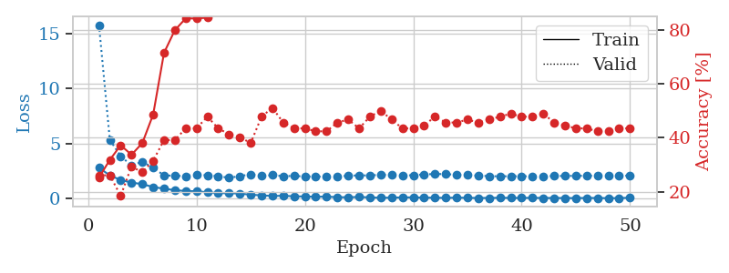
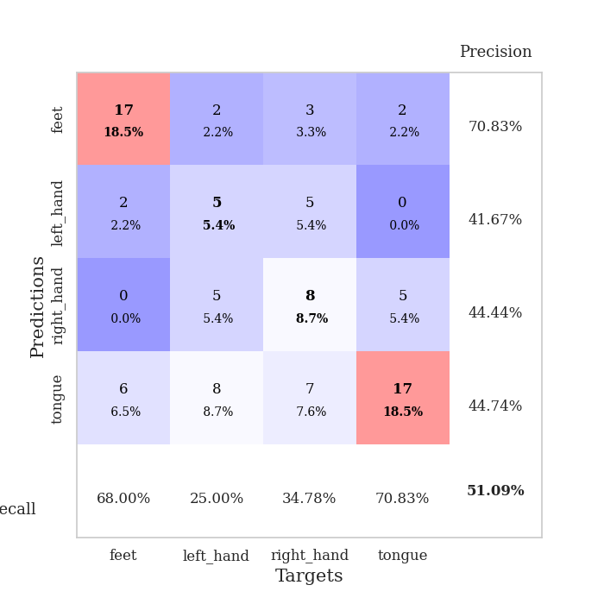
train_loss | valid_loss | train_accuracy | valid_accuracy | dur | train_misclass | valid_misclass
2.8023988485 | 15.753287481 | 0.2527173913 | 0.26086956522 | 0.034556627274 | 25.27173913 | 26.086956522
2.1086365223 | 5.3357663777 | 0.31793478261 | 0.26086956522 | 0.033210754395 | 31.793478261 | 26.086956522
1.6901669741 | 3.8549617788 | 0.3722826087 | 0.1847826087 | 0.033471345901 | 37.22826087 | 18.47826087
1.4584829092 | 3.0059499844 | 0.33695652174 | 0.29347826087 | 0.033613443375 | 33.695652174 | 29.347826087
1.3146491289 | 3.3571745313 | 0.38043478261 | 0.27173913043 | 0.03365111351 | 38.043478261 | 27.173913043
1.0527414441 | 2.8029167652 | 0.48641304348 | 0.3152173913 | 0.033271551132 | 48.641304348 | 31.52173913
0.90343105793 | 2.1061684826 | 0.71467391304 | 0.39130434783 | 0.033674716949 | 71.467391304 | 39.130434783
0.76470352411 | 2.0800071125 | 0.79891304348 | 0.39130434783 | 0.033665657043 | 79.891304348 | 39.130434783
0.69132822752 | 2.0393253047 | 0.84239130435 | 0.4347826087 | 0.033685445786 | 84.239130435 | 43.47826087
0.67171623707 | 2.1999852657 | 0.84239130435 | 0.4347826087 | 0.033784627914 | 84.239130435 | 43.47826087
0.57488079071 | 2.1076142995 | 0.84510869565 | 0.47826086957 | 0.033595085144 | 84.510869565 | 47.826086957
0.50071851611 | 2.0405314798 | 0.875 | 0.4347826087 | 0.033825397491 | 87.5 | 43.47826087
0.49683051705 | 1.8871287989 | 0.94836956522 | 0.41304347826 | 0.033765792847 | 94.836956522 | 41.304347826
0.46240176558 | 2.0437330163 | 0.95923913043 | 0.40217391304 | 0.033164262772 | 95.923913043 | 40.217391304
0.35519456863 | 2.2100817846 | 0.95380434783 | 0.38043478261 | 0.032881736755 | 95.380434783 | 38.043478261
0.2984714359 | 2.0516280713 | 0.97826086957 | 0.47826086957 | 0.033187389374 | 97.826086957 | 47.826086957
0.23991341591 | 2.1286684897 | 0.98641304348 | 0.51086956522 | 0.033311605453 | 98.641304348 | 51.086956522
0.2621504128 | 2.0398673959 | 0.99456521739 | 0.45652173913 | 0.034275531769 | 99.456521739 | 45.652173913
0.2116319865 | 2.0588549324 | 0.99456521739 | 0.4347826087 | 0.033244371414 | 99.456521739 | 43.47826087
0.19682527781 | 2.0124433663 | 0.99184782609 | 0.4347826087 | 0.032983064651 | 99.184782609 | 43.47826087
0.16853189766 | 2.0099307454 | 0.99184782609 | 0.42391304348 | 0.033205986023 | 99.184782609 | 42.391304348
0.18517155647 | 1.9944135728 | 0.9972826087 | 0.42391304348 | 0.033427715302 | 99.72826087 | 42.391304348
0.12871991992 | 2.0126735749 | 1 | 0.45652173913 | 0.032961845398 | 100 | 45.652173913
0.12631285638 | 2.0803515911 | 1 | 0.46739130435 | 0.033636808395 | 100 | 46.739130435
0.14864229858 | 2.109859223 | 1 | 0.4347826087 | 0.034935235977 | 100 | 43.47826087
0.11339664012 | 2.1071299055 | 1 | 0.47826086957 | 0.03250670433 | 100 | 47.826086957
0.075075231493 | 2.1622258373 | 1 | 0.5 | 0.032446861267 | 100 | 50
0.0901211299 | 2.1585225333 | 1 | 0.46739130435 | 0.032489538193 | 100 | 46.739130435
0.10784303397 | 2.1081841044 | 1 | 0.4347826087 | 0.032459974289 | 100 | 43.47826087
0.11671083197 | 2.1252744975 | 1 | 0.4347826087 | 0.032562494278 | 100 | 43.47826087
0.086767163873 | 2.2019469634 | 1 | 0.44565217391 | 0.033205032349 | 100 | 44.565217391
0.086471956968 | 2.2341030318 | 1 | 0.47826086957 | 0.032797574997 | 100 | 47.826086957
0.064965751022 | 2.2279775091 | 1 | 0.45652173913 | 0.032701730728 | 100 | 45.652173913
0.094961051643 | 2.1630417938 | 1 | 0.45652173913 | 0.033241987228 | 100 | 45.652173913
0.070766209811 | 2.136012435 | 1 | 0.46739130435 | 0.032811403275 | 100 | 46.739130435
0.060781566799 | 2.0848120399 | 1 | 0.45652173913 | 0.032898664474 | 100 | 45.652173913
0.06154547371 | 2.0440077937 | 1 | 0.46739130435 | 0.03266787529 | 100 | 46.739130435
0.078423549235 | 2.0245747255 | 1 | 0.47826086957 | 0.033160924911 | 100 | 47.826086957
0.064143385738 | 2.0387087179 | 1 | 0.48913043478 | 0.033167123795 | 100 | 48.913043478
0.064940720052 | 2.0312610657 | 1 | 0.47826086957 | 0.03267455101 | 100 | 47.826086957
0.07070068419 | 2.0339400976 | 1 | 0.47826086957 | 0.032720088959 | 100 | 47.826086957
0.060112835467 | 2.0394746272 | 1 | 0.48913043478 | 0.033082485199 | 100 | 48.913043478
0.056827417761 | 2.0487938808 | 1 | 0.45652173913 | 0.033223390579 | 100 | 45.652173913
0.055797967315 | 2.0594671498 | 1 | 0.44565217391 | 0.032716989517 | 100 | 44.565217391
0.048190217465 | 2.0691187071 | 1 | 0.4347826087 | 0.03279542923 | 100 | 43.47826087
0.061045961455 | 2.0738339217 | 1 | 0.4347826087 | 0.033005714417 | 100 | 43.47826087
0.057824312896 | 2.0798563335 | 1 | 0.42391304348 | 0.03262758255 | 100 | 42.391304348
0.04358821474 | 2.0817159673 | 1 | 0.42391304348 | 0.032778501511 | 100 | 42.391304348
0.044590758905 | 2.0833613769 | 1 | 0.4347826087 | 0.032731294632 | 100 | 43.47826087
0.086693046242 | 2.0844369453 | 1 | 0.4347826087 | 0.032629728317 | 100 | 43.47826087

Best Val accuracy is 0.5108695652173914 and Best test accuracy is 0.3879310344827586

Sheet5
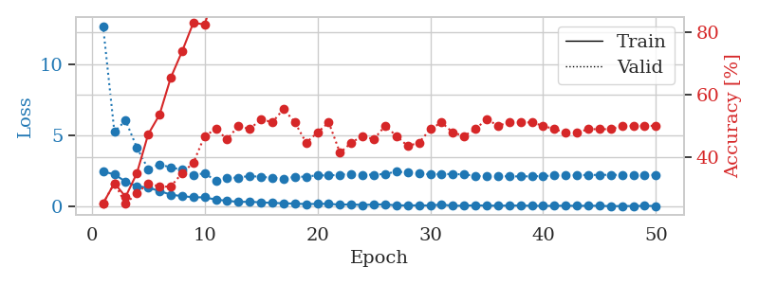
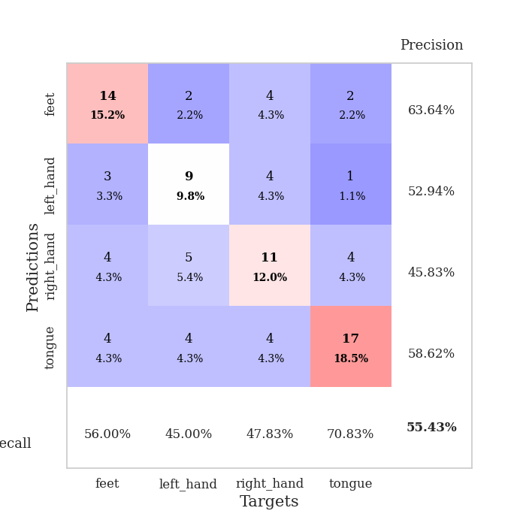
train_loss | valid_loss | train_accuracy | valid_accuracy | dur | train_misclass | valid_misclass
2.4575849295 | 12.671372165 | 0.25 | 0.25 | 0.034785509109 | 25 | 25
2.2644814014 | 5.2605389927 | 0.3152173913 | 0.3152173913 | 0.033987522125 | 31.52173913 | 31.52173913
1.7503273487 | 6.0336690364 | 0.27173913043 | 0.25 | 0.034157037735 | 27.173913043 | 25
1.4263733625 | 4.1312339513 | 0.34782608696 | 0.28260869565 | 0.032811403275 | 34.782608696 | 28.260869565
1.3325717926 | 2.6352130952 | 0.47282608696 | 0.3152173913 | 0.032676696777 | 47.282608696 | 31.52173913
1.0925211906 | 2.9634199039 | 0.53532608696 | 0.30434782609 | 0.033081531525 | 53.532608696 | 30.434782609
0.83670735359 | 2.7469198289 | 0.65489130435 | 0.30434782609 | 0.032649755478 | 65.489130435 | 30.434782609
0.73322704434 | 2.5846577624 | 0.73913043478 | 0.34782608696 | 0.032710552216 | 73.913043478 | 34.782608696
0.65433030128 | 2.1907652979 | 0.83152173913 | 0.38043478261 | 0.033756256104 | 83.152173913 | 38.043478261
0.64743879437 | 2.3503500897 | 0.82608695652 | 0.46739130435 | 0.033781528473 | 82.608695652 | 46.739130435
0.49155991673 | 1.8026846336 | 0.9375 | 0.48913043478 | 0.034011363983 | 93.75 | 48.913043478
0.4056520462 | 2.0077531079 | 0.9347826087 | 0.45652173913 | 0.033793449402 | 93.47826087 | 45.652173913
0.32876376212 | 2.0358786116 | 0.97282608696 | 0.5 | 0.03275680542 | 97.282608696 | 50
0.33765702844 | 2.1545406476 | 0.9402173913 | 0.48913043478 | 0.033519268036 | 94.02173913 | 48.913043478
0.29693576694 | 2.0790569834 | 0.9402173913 | 0.52173913043 | 0.032658576965 | 94.02173913 | 52.173913043
0.25725655854 | 2.0345905086 | 0.96739130435 | 0.51086956522 | 0.033724784851 | 96.739130435 | 51.086956522
0.23293063939 | 1.9350478027 | 0.9972826087 | 0.55434782609 | 0.03272986412 | 99.72826087 | 55.434782609
0.20738461465 | 2.0959909636 | 0.99184782609 | 0.51086956522 | 0.033732891083 | 99.184782609 | 51.086956522
0.17736286223 | 2.0941361189 | 0.99184782609 | 0.44565217391 | 0.033042669296 | 99.184782609 | 44.565217391
0.19028508365 | 2.2009503168 | 0.96739130435 | 0.47826086957 | 0.032813072205 | 96.739130435 | 47.826086957
0.19803728163 | 2.1795885718 | 0.9972826087 | 0.51086956522 | 0.032924890518 | 99.72826087 | 51.086956522
0.1299682036 | 2.2347084854 | 0.98913043478 | 0.41304347826 | 0.032724618912 | 98.913043478 | 41.304347826
0.16042090207 | 2.2982439787 | 0.99456521739 | 0.44565217391 | 0.032750844955 | 99.456521739 | 44.565217391
0.10872835964 | 2.2343249321 | 0.99184782609 | 0.46739130435 | 0.032969713211 | 99.184782609 | 46.739130435
0.14951341748 | 2.2373674538 | 0.9972826087 | 0.45652173913 | 0.033265113831 | 99.72826087 | 45.652173913
0.15384982377 | 2.2919001113 | 1 | 0.5 | 0.032814264297 | 100 | 50
0.084305701405 | 2.4550315297 | 0.9972826087 | 0.46739130435 | 0.03280711174 | 99.72826087 | 46.739130435
0.086623515934 | 2.3948668345 | 1 | 0.4347826087 | 0.032693624496 | 100 | 43.47826087
0.086276382208 | 2.3100602057 | 1 | 0.44565217391 | 0.033254146576 | 100 | 44.565217391
0.078513423353 | 2.2641977797 | 1 | 0.48913043478 | 0.032655954361 | 100 | 48.913043478
0.14185605943 | 2.2751622096 | 1 | 0.51086956522 | 0.032680273056 | 100 | 51.086956522
0.05799784027 | 2.2854635819 | 1 | 0.47826086957 | 0.032631158829 | 100 | 47.826086957
0.066395360976 | 2.2546032563 | 1 | 0.46739130435 | 0.032687902451 | 100 | 46.739130435
0.090896559507 | 2.1533383183 | 1 | 0.48913043478 | 0.032709360123 | 100 | 48.913043478
0.0682092309 | 2.1225251581 | 1 | 0.52173913043 | 0.032732486725 | 100 | 52.173913043
0.065586213768 | 2.1301333956 | 1 | 0.5 | 0.032665491104 | 100 | 50
0.071162773669 | 2.1235142739 | 1 | 0.51086956522 | 0.032710075378 | 100 | 51.086956522
0.075546680391 | 2.1171407129 | 1 | 0.51086956522 | 0.032717943192 | 100 | 51.086956522
0.058148832992 | 2.1260835813 | 1 | 0.51086956522 | 0.03271317482 | 100 | 51.086956522
0.05176243782 | 2.1425100358 | 1 | 0.5 | 0.03272485733 | 100 | 50
0.051268509775 | 2.1747049612 | 1 | 0.48913043478 | 0.032741308212 | 100 | 48.913043478
0.067329638824 | 2.1943534872 | 1 | 0.47826086957 | 0.032698392868 | 100 | 47.826086957
0.048445572704 | 2.2075858634 | 1 | 0.47826086957 | 0.032631874084 | 100 | 47.826086957
0.063317231089 | 2.2155297269 | 1 | 0.48913043478 | 0.032633304596 | 100 | 48.913043478
0.056650599092 | 2.2234825621 | 1 | 0.48913043478 | 0.033355951309 | 100 | 48.913043478
0.031555772945 | 2.2271863948 | 1 | 0.48913043478 | 0.032928466797 | 100 | 48.913043478
0.039007322118 | 2.2209996762 | 1 | 0.5 | 0.032785654068 | 100 | 50
0.041002071276 | 2.2199859204 | 1 | 0.5 | 0.032681941986 | 100 | 50
0.052497599274 | 2.2223556042 | 1 | 0.5 | 0.03467297554 | 100 | 50
0.044840606302 | 2.2236881826 | 1 | 0.5 | 0.033190488815 | 100 | 50

Best Val accuracy is 0.5543478260869565 and Best test accuracy is 0.4396551724137931

Sheet6
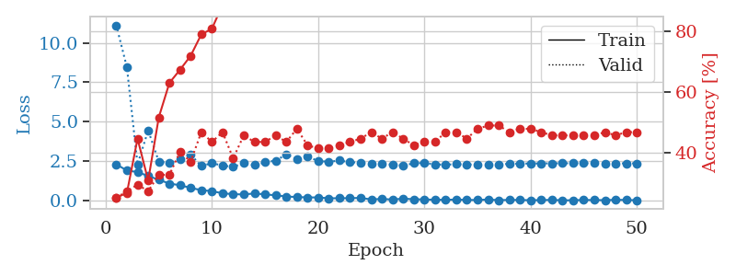
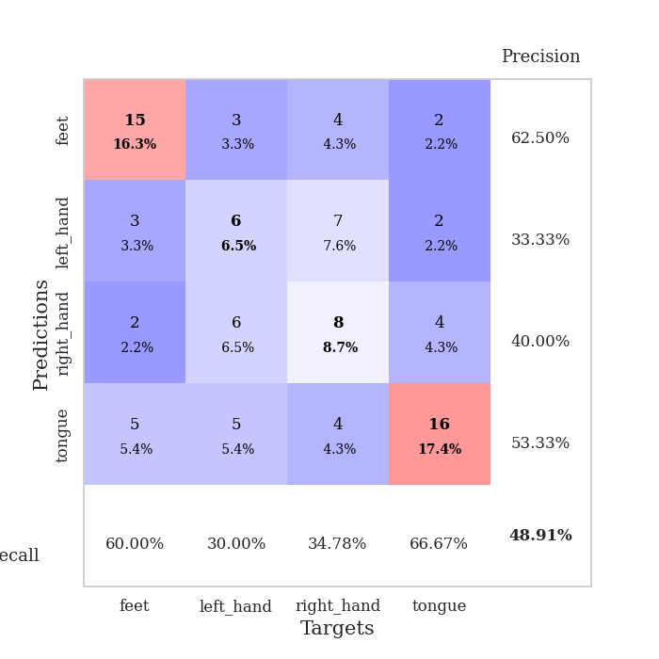
train_loss | valid_loss | train_accuracy | valid_accuracy | dur | train_misclass | valid_misclass
2.3125216246 | 11.106268053 | 0.25 | 0.25 | 0.034829139709 | 25 | 25
1.9247296333 | 8.4446916373 | 0.26630434783 | 0.27173913043 | 0.033955335617 | 26.630434783 | 27.173913043
1.8272487164 | 2.3088691442 | 0.44565217391 | 0.29347826087 | 0.033713102341 | 44.565217391 | 29.347826087
1.5767802715 | 4.4650812253 | 0.30706521739 | 0.27173913043 | 0.033717870712 | 30.706521739 | 27.173913043
1.3389910698 | 2.4940610969 | 0.51630434783 | 0.32608695652 | 0.033466339111 | 51.630434783 | 32.608695652
1.0989976525 | 2.3955744557 | 0.63043478261 | 0.32608695652 | 0.033706903458 | 63.043478261 | 32.608695652
0.99373447895 | 2.6217430467 | 0.67391304348 | 0.40217391304 | 0.0335521698 | 67.391304348 | 40.217391304
0.82590477467 | 2.927065445 | 0.72010869565 | 0.36956521739 | 0.035056591034 | 72.010869565 | 36.956521739
0.68237131834 | 2.2104552621 | 0.79076086957 | 0.46739130435 | 0.032964468002 | 79.076086957 | 46.739130435
0.61925202608 | 2.3881947061 | 0.8097826087 | 0.4347826087 | 0.033092498779 | 80.97826087 | 43.47826087
0.48238610029 | 2.2383810074 | 0.88858695652 | 0.46739130435 | 0.032937526703 | 88.858695652 | 46.739130435
0.42901059985 | 2.1580388442 | 0.95380434783 | 0.38043478261 | 0.03238940239 | 95.380434783 | 38.043478261
0.4084698379 | 2.3821886778 | 0.92663043478 | 0.45652173913 | 0.032611370087 | 92.663043478 | 45.652173913
0.4729826808 | 2.2644090186 | 0.9347826087 | 0.4347826087 | 0.032674074173 | 93.47826087 | 43.47826087
0.41478105187 | 2.4396686658 | 0.95108695652 | 0.4347826087 | 0.032862186432 | 95.108695652 | 43.47826087
0.35464953482 | 2.5527051946 | 0.96739130435 | 0.45652173913 | 0.033536434174 | 96.739130435 | 45.652173913
0.28305676877 | 2.9313450171 | 0.94293478261 | 0.4347826087 | 0.033186912537 | 94.293478261 | 43.47826087
0.24466207922 | 2.6477637291 | 0.97826086957 | 0.47826086957 | 0.032559394836 | 97.826086957 | 47.826086957
0.22500193417 | 2.790201239 | 0.95652173913 | 0.42391304348 | 0.033418178558 | 95.652173913 | 42.391304348
0.21913624704 | 2.534935153 | 0.98369565217 | 0.41304347826 | 0.032792329788 | 98.369565217 | 41.304347826
0.16825777739 | 2.4711361242 | 0.99184782609 | 0.41304347826 | 0.032207489014 | 99.184782609 | 41.304347826
0.1694952637 | 2.557641983 | 0.99184782609 | 0.42391304348 | 0.033390760422 | 99.184782609 | 42.391304348
0.17477925271 | 2.4484328394 | 0.99456521739 | 0.4347826087 | 0.033556222916 | 99.456521739 | 43.47826087
0.1911935389 | 2.4179435606 | 1 | 0.44565217391 | 0.033369064331 | 100 | 44.565217391
0.093734756857 | 2.3408998717 | 0.9972826087 | 0.46739130435 | 0.033411502838 | 99.72826087 | 46.739130435
0.12859277129 | 2.3323577487 | 0.9972826087 | 0.44565217391 | 0.032606124878 | 99.72826087 | 44.565217391
0.086632448435 | 2.2985644444 | 0.9972826087 | 0.46739130435 | 0.03252363205 | 99.72826087 | 46.739130435
0.14423551112 | 2.2348128194 | 1 | 0.44565217391 | 0.033047914505 | 100 | 44.565217391
0.1069918409 | 2.3815994885 | 1 | 0.42391304348 | 0.032139539719 | 100 | 42.391304348
0.095258538425 | 2.3984654986 | 0.9972826087 | 0.4347826087 | 0.033187866211 | 99.72826087 | 43.47826087
0.07549309358 | 2.3124609667 | 1 | 0.4347826087 | 0.033540010452 | 100 | 43.47826087
0.071215394884 | 2.2923932127 | 1 | 0.46739130435 | 0.032572031021 | 100 | 46.739130435
0.086755565554 | 2.323500965 | 1 | 0.46739130435 | 0.03275680542 | 100 | 46.739130435
0.062527733296 | 2.3130636889 | 1 | 0.44565217391 | 0.035321712494 | 100 | 44.565217391
0.057906610146 | 2.2910758568 | 1 | 0.47826086957 | 0.034098148346 | 100 | 47.826086957
0.089749691635 | 2.2912135902 | 1 | 0.48913043478 | 0.03294801712 | 100 | 48.913043478
0.049127904326 | 2.3147831896 | 1 | 0.48913043478 | 0.033443212509 | 100 | 48.913043478
0.066447901726 | 2.34463261 | 1 | 0.46739130435 | 0.032816410065 | 100 | 46.739130435
0.059877800941 | 2.3609768826 | 1 | 0.47826086957 | 0.032824754715 | 100 | 47.826086957
0.04667872414 | 2.3671689966 | 1 | 0.47826086957 | 0.033401966095 | 100 | 47.826086957
0.052040038258 | 2.3724477291 | 1 | 0.46739130435 | 0.032741785049 | 100 | 46.739130435
0.069484427571 | 2.3779903858 | 1 | 0.45652173913 | 0.033358097076 | 100 | 45.652173913
0.038112668507 | 2.3799584534 | 1 | 0.45652173913 | 0.032870769501 | 100 | 45.652173913
0.045387157053 | 2.3817088915 | 1 | 0.45652173913 | 0.033782243729 | 100 | 45.652173913
0.060945186391 | 2.3805339596 | 1 | 0.45652173913 | 0.033027648926 | 100 | 45.652173913
0.057145849615 | 2.3811057858 | 1 | 0.45652173913 | 0.0336830616 | 100 | 45.652173913
0.049225525558 | 2.3785369396 | 1 | 0.46739130435 | 0.034873485565 | 100 | 46.739130435
0.071424475312 | 2.3755480725 | 1 | 0.45652173913 | 0.034828186035 | 100 | 45.652173913
0.06116870977 | 2.3772611981 | 1 | 0.46739130435 | 0.034695863724 | 100 | 46.739130435
0.045327477902 | 2.3778750689 | 1 | 0.46739130435 | 0.034712314606 | 100 | 46.739130435

Best Val accuracy is 0.4891304347826087 and Best test accuracy is 0.49137931034482757

Sheet7
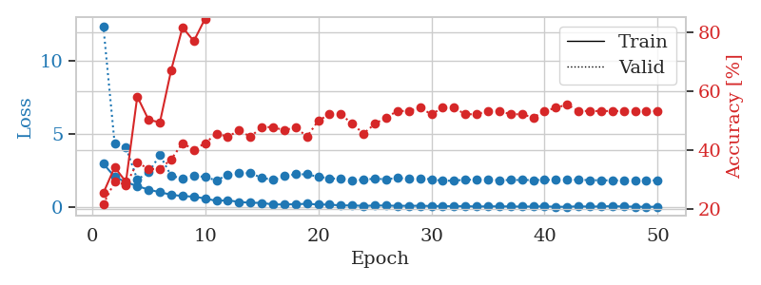
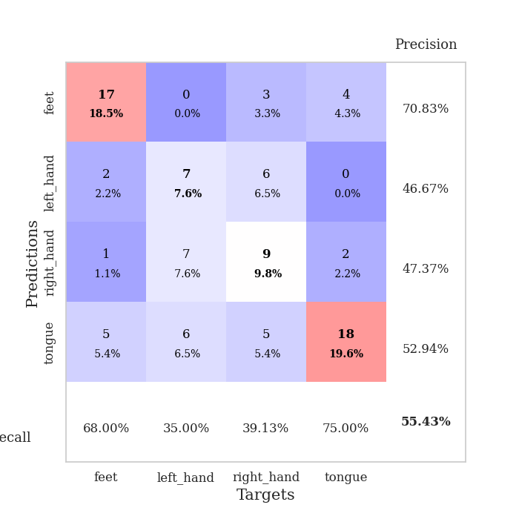
train_loss | valid_loss | train_accuracy | valid_accuracy | dur | train_misclass | valid_misclass
2.9699111223 | 12.375199069 | 0.25543478261 | 0.21739130435 | 0.035165309906 | 25.543478261 | 21.739130435
2.0855245352 | 4.3384368523 | 0.34239130435 | 0.29347826087 | 0.033668279648 | 34.239130435 | 29.347826087
1.7130959988 | 4.0824473008 | 0.29347826087 | 0.28260869565 | 0.033690452576 | 29.347826087 | 28.260869565
1.4464941263 | 1.89028841 | 0.58152173913 | 0.35869565217 | 0.032462596893 | 58.152173913 | 35.869565217
1.2027278185 | 2.3808494962 | 0.5027173913 | 0.33695652174 | 0.033368349075 | 50.27173913 | 33.695652174
1.0259979844 | 3.5592838163 | 0.49456521739 | 0.33695652174 | 0.032821893692 | 49.456521739 | 33.695652174
0.85538871288 | 2.1461802566 | 0.67119565217 | 0.36956521739 | 0.033029079437 | 67.119565217 | 36.956521739
0.76028546095 | 1.9642460398 | 0.8152173913 | 0.42391304348 | 0.033652544022 | 81.52173913 | 42.391304348
0.7260904789 | 2.1669804998 | 0.76902173913 | 0.40217391304 | 0.034540176392 | 76.902173913 | 40.217391304
0.59642345309 | 2.063807814 | 0.84510869565 | 0.42391304348 | 0.033864736557 | 84.510869565 | 42.391304348
0.43467587233 | 1.8297953968 | 0.94293478261 | 0.45652173913 | 0.033802986145 | 94.293478261 | 45.652173913
0.47532032132 | 2.215573145 | 0.88043478261 | 0.44565217391 | 0.036036491394 | 88.043478261 | 44.565217391
0.36100091934 | 2.3405158831 | 0.88586956522 | 0.46739130435 | 0.034837722778 | 88.586956522 | 46.739130435
0.30632145107 | 2.3175790517 | 0.92663043478 | 0.44565217391 | 0.033754110336 | 92.663043478 | 44.565217391
0.29661335349 | 2.0182762975 | 0.97826086957 | 0.47826086957 | 0.034508228302 | 97.826086957 | 47.826086957
0.18861330748 | 1.8630290809 | 0.98641304348 | 0.47826086957 | 0.034169435501 | 98.641304348 | 47.826086957
0.19636525512 | 2.1185586867 | 0.97282608696 | 0.46739130435 | 0.034802675247 | 97.282608696 | 46.739130435
0.20364137888 | 2.2519607855 | 0.98641304348 | 0.47826086957 | 0.03351521492 | 98.641304348 | 47.826086957
0.23679966033 | 2.2485256921 | 0.97010869565 | 0.44565217391 | 0.033445358276 | 97.010869565 | 44.565217391
0.18419889808 | 2.0809270247 | 0.99456521739 | 0.5 | 0.03430891037 | 99.456521739 | 50
0.18425548673 | 1.9823845832 | 1 | 0.52173913043 | 0.034334659576 | 100 | 52.173913043
0.11643501669 | 1.9277045312 | 1 | 0.52173913043 | 0.034202575684 | 100 | 52.173913043
0.13187286407 | 1.7991440348 | 1 | 0.48913043478 | 0.034817457199 | 100 | 48.913043478
0.089062602073 | 1.8914845508 | 0.99456521739 | 0.45652173913 | 0.033608198166 | 99.456521739 | 45.652173913
0.11724424213 | 1.947473412 | 0.9972826087 | 0.48913043478 | 0.033679485321 | 99.72826087 | 48.913043478
0.11697503924 | 1.9138924972 | 1 | 0.51086956522 | 0.033039093018 | 100 | 51.086956522
0.093555706739 | 1.9946849191 | 1 | 0.53260869565 | 0.033364057541 | 100 | 53.260869565
0.10061822385 | 1.9504195244 | 1 | 0.53260869565 | 0.034943819046 | 100 | 53.260869565
0.097751806676 | 1.9617811701 | 1 | 0.54347826087 | 0.033610105515 | 100 | 54.347826087
0.083883352578 | 1.9122715255 | 1 | 0.52173913043 | 0.033505678177 | 100 | 52.173913043
0.077321816981 | 1.802542531 | 1 | 0.54347826087 | 0.032966375351 | 100 | 54.347826087
0.064772265404 | 1.8198993828 | 1 | 0.54347826087 | 0.033080101013 | 100 | 54.347826087
0.073938181996 | 1.880610041 | 1 | 0.52173913043 | 0.03345656395 | 100 | 52.173913043
0.048115188628 | 1.8830886509 | 1 | 0.52173913043 | 0.034101247787 | 100 | 52.173913043
0.060705562681 | 1.8760815133 | 1 | 0.53260869565 | 0.034214019775 | 100 | 53.260869565
0.058577696979 | 1.8474049516 | 1 | 0.53260869565 | 0.033216714859 | 100 | 53.260869565
0.053613209352 | 1.8595746496 | 1 | 0.52173913043 | 0.033045053482 | 100 | 52.173913043
0.044138978794 | 1.8613323906 | 1 | 0.52173913043 | 0.033581256866 | 100 | 52.173913043
0.046582585946 | 1.8562422783 | 1 | 0.51086956522 | 0.033747673035 | 100 | 51.086956522
0.063832515478 | 1.8677888435 | 1 | 0.53260869565 | 0.033098459244 | 100 | 53.260869565
0.027581375837 | 1.8740425939 | 1 | 0.54347826087 | 0.03327870369 | 100 | 54.347826087
0.034778313711 | 1.8825933311 | 1 | 0.55434782609 | 0.033498764038 | 100 | 55.434782609
0.061128311977 | 1.8718032319 | 1 | 0.53260869565 | 0.033696651459 | 100 | 53.260869565
0.041034666635 | 1.854162947 | 1 | 0.53260869565 | 0.033350467682 | 100 | 53.260869565
0.057413641363 | 1.8417863794 | 1 | 0.53260869565 | 0.033009529114 | 100 | 53.260869565
0.073651891202 | 1.8313719242 | 1 | 0.53260869565 | 0.033031702042 | 100 | 53.260869565
0.049274863303 | 1.8287043312 | 1 | 0.53260869565 | 0.033625364304 | 100 | 53.260869565
0.040005199984 | 1.8301889274 | 1 | 0.53260869565 | 0.033934116364 | 100 | 53.260869565
0.02551060617 | 1.8365376669 | 1 | 0.53260869565 | 0.032826662064 | 100 | 53.260869565
0.035862680897 | 1.8319291809 | 1 | 0.53260869565 | 0.033223390579 | 100 | 53.260869565

Best Val accuracy is 0.5543478260869565 and Best test accuracy is 0.49137931034482757

Sheet8
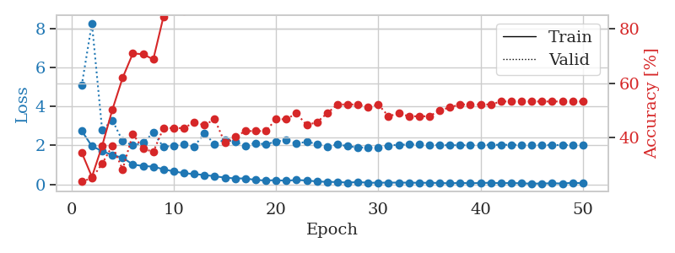
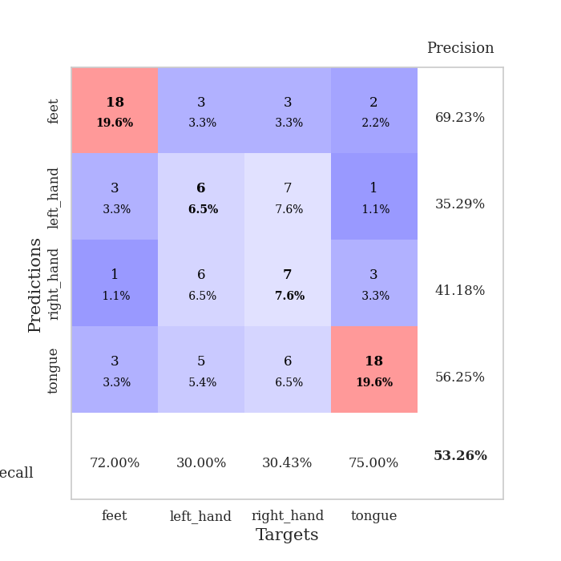
train_loss | valid_loss | train_accuracy | valid_accuracy | dur | train_misclass | valid_misclass
2.746177125 | 5.0668098201 | 0.34510869565 | 0.23913043478 | 0.035292625427 | 34.510869565 | 23.913043478
1.9596908092 | 8.2632093222 | 0.25543478261 | 0.25 | 0.035727500916 | 25.543478261 | 25
1.7084549904 | 2.7812521769 | 0.36956521739 | 0.30434782609 | 0.036468267441 | 36.956521739 | 30.434782609
1.5007110596 | 3.2904732746 | 0.5027173913 | 0.36956521739 | 0.036203622818 | 50.27173913 | 36.956521739
1.3719423056 | 2.2231120441 | 0.61956521739 | 0.28260869565 | 0.035993814468 | 61.956521739 | 28.260869565
1.0198245168 | 2.0037825885 | 0.70923913043 | 0.41304347826 | 0.035298347473 | 70.923913043 | 41.304347826
0.94572561979 | 2.1317598612 | 0.70652173913 | 0.35869565217 | 0.03585767746 | 70.652173913 | 35.869565217
0.90945187807 | 2.6478620405 | 0.6875 | 0.34782608696 | 0.035480976105 | 68.75 | 34.782608696
0.77570593357 | 1.9175182892 | 0.84510869565 | 0.4347826087 | 0.035665035248 | 84.510869565 | 43.47826087
0.66541221142 | 1.988768505 | 0.88315217391 | 0.4347826087 | 0.03645658493 | 88.315217391 | 43.47826087
0.57910048962 | 2.0446848766 | 0.86413043478 | 0.4347826087 | 0.034014701843 | 86.413043478 | 43.47826087
0.5284067452 | 1.9450640419 | 0.9347826087 | 0.45652173913 | 0.033874988556 | 93.47826087 | 45.652173913
0.48191542923 | 2.6159578925 | 0.8722826087 | 0.44565217391 | 0.035682201385 | 87.22826087 | 44.565217391
0.41775096655 | 2.064213079 | 0.97554347826 | 0.46739130435 | 0.035344600677 | 97.554347826 | 46.739130435
0.34792198539 | 2.294744844 | 0.92119565217 | 0.38043478261 | 0.033875703812 | 92.119565217 | 38.043478261
0.3075006187 | 2.1775824454 | 0.92934782609 | 0.40217391304 | 0.03527545929 | 92.934782609 | 40.217391304
0.30651327372 | 1.9913396473 | 0.97554347826 | 0.42391304348 | 0.036083459854 | 97.554347826 | 42.391304348
0.22963128984 | 2.1241260508 | 0.98913043478 | 0.42391304348 | 0.035776376724 | 98.913043478 | 42.391304348
0.19959657788 | 2.0470588415 | 0.98913043478 | 0.42391304348 | 0.035010099411 | 98.913043478 | 42.391304348
0.21907916963 | 2.2000469954 | 0.97554347826 | 0.46739130435 | 0.036157846451 | 97.554347826 | 46.739130435
0.18702466339 | 2.2673569555 | 0.97282608696 | 0.46739130435 | 0.0357670784 | 97.282608696 | 46.739130435
0.22820409611 | 2.1027858465 | 0.99456521739 | 0.48913043478 | 0.035808324814 | 99.456521739 | 48.913043478
0.19992914796 | 2.1794792155 | 0.96467391304 | 0.44565217391 | 0.035801410675 | 96.467391304 | 44.565217391
0.15255701095 | 2.0782697304 | 0.96739130435 | 0.45652173913 | 0.036072015762 | 96.739130435 | 45.652173913
0.12886006385 | 1.9360701934 | 1 | 0.48913043478 | 0.035945653915 | 100 | 48.913043478
0.12446726561 | 2.0495310711 | 0.99456521739 | 0.52173913043 | 0.035798072815 | 99.456521739 | 52.173913043
0.092907162011 | 1.9628865978 | 0.99184782609 | 0.52173913043 | 0.03959441185 | 99.184782609 | 52.173913043
0.12125419602 | 1.8933178186 | 1 | 0.52173913043 | 0.034683227539 | 100 | 52.173913043
0.085469476879 | 1.8888654864 | 1 | 0.51086956522 | 0.03385591507 | 100 | 51.086956522
0.086861987412 | 1.9033478447 | 1 | 0.52173913043 | 0.034017324448 | 100 | 52.173913043
0.09177210331 | 1.9923318624 | 1 | 0.47826086957 | 0.033884763718 | 100 | 47.826086957
0.092151883245 | 2.0346453397 | 1 | 0.48913043478 | 0.033908843994 | 100 | 48.913043478
0.088877633959 | 2.0401800301 | 1 | 0.47826086957 | 0.033380270004 | 100 | 47.826086957
0.082662691176 | 2.0669973104 | 1 | 0.47826086957 | 0.033555030823 | 100 | 47.826086957
0.083012698591 | 2.0374749847 | 1 | 0.47826086957 | 0.033462047577 | 100 | 47.826086957
0.074887852371 | 2.01032793 | 1 | 0.5 | 0.033447027206 | 100 | 50
0.054416479915 | 2.0099031562 | 1 | 0.51086956522 | 0.033710718155 | 100 | 51.086956522
0.079660224169 | 2.0105116367 | 1 | 0.52173913043 | 0.033732652664 | 100 | 52.173913043
0.058792955056 | 2.0072616805 | 1 | 0.52173913043 | 0.033809661865 | 100 | 52.173913043
0.073996276408 | 2.027877336 | 1 | 0.52173913043 | 0.033488035202 | 100 | 52.173913043
0.083349045366 | 2.0285100574 | 1 | 0.52173913043 | 0.033683300018 | 100 | 52.173913043
0.063235960156 | 2.0285481733 | 1 | 0.53260869565 | 0.033522605896 | 100 | 53.260869565
0.0739862822 | 2.0289771039 | 1 | 0.53260869565 | 0.034782648087 | 100 | 53.260869565
0.056486703455 | 2.0215676712 | 1 | 0.53260869565 | 0.033921480179 | 100 | 53.260869565
0.039649114385 | 2.0193081265 | 1 | 0.53260869565 | 0.033480644226 | 100 | 53.260869565
0.048885176331 | 2.0151216621 | 1 | 0.53260869565 | 0.033410310745 | 100 | 53.260869565
0.058698756993 | 2.0156274878 | 1 | 0.53260869565 | 0.034311532974 | 100 | 53.260869565
0.04627841264 | 2.0169320469 | 1 | 0.53260869565 | 0.033441066742 | 100 | 53.260869565
0.083584155887 | 2.0151638726 | 1 | 0.53260869565 | 0.033505678177 | 100 | 53.260869565
0.059584686905 | 2.0128438006 | 1 | 0.53260869565 | 0.033461332321 | 100 | 53.260869565

Best Val accuracy is 0.532608695652174 and Best test accuracy is 0.49137931034482757

Sheet9
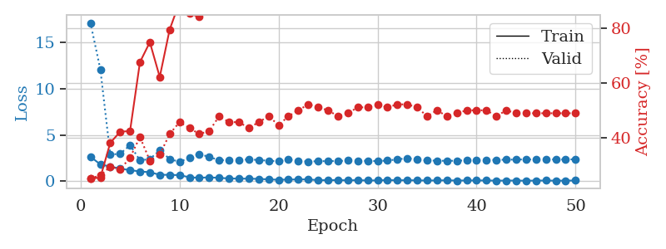
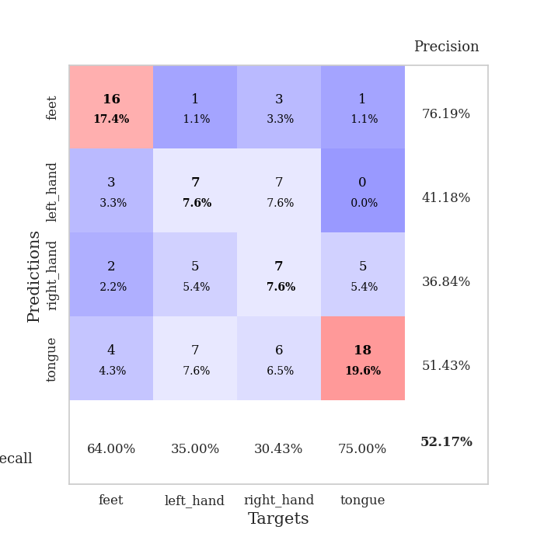
train_loss | valid_loss | train_accuracy | valid_accuracy | dur | train_misclass | valid_misclass
2.6457968235 | 17.124169142 | 0.25 | 0.25 | 0.035353183746 | 25 | 25
1.803152132 | 12.095026099 | 0.2527173913 | 0.26086956522 | 0.034574270248 | 25.27173913 | 26.086956522
1.5709088326 | 2.8779145946 | 0.38043478261 | 0.29347826087 | 0.034365415573 | 38.043478261 | 29.347826087
1.3534128904 | 2.9466766585 | 0.42119565217 | 0.28260869565 | 0.034500360489 | 42.119565217 | 28.260869565
1.1838258743 | 3.8876698535 | 0.42391304348 | 0.32608695652 | 0.033891201019 | 42.391304348 | 32.608695652
1.0463379264 | 2.2494548507 | 0.67663043478 | 0.40217391304 | 0.034583806992 | 67.663043478 | 40.217391304
0.95602560043 | 2.3824671818 | 0.75 | 0.3152173913 | 0.034691810608 | 75 | 31.52173913
0.68421200514 | 3.3332285363 | 0.6222826087 | 0.33695652174 | 0.034576892853 | 62.22826087 | 33.695652174
0.67372339964 | 2.3914835764 | 0.79619565217 | 0.41304347826 | 0.033957242966 | 79.619565217 | 41.304347826
0.64538270235 | 2.076214837 | 0.89673913043 | 0.45652173913 | 0.034429788589 | 89.673913043 | 45.652173913
0.41101569831 | 2.5240528273 | 0.85597826087 | 0.4347826087 | 0.034428596497 | 85.597826087 | 43.47826087
0.35561535358 | 2.918928675 | 0.84239130435 | 0.41304347826 | 0.034406423569 | 84.239130435 | 41.304347826
0.40994055867 | 2.6153894507 | 0.9347826087 | 0.42391304348 | 0.034381866455 | 93.47826087 | 42.391304348
0.34575901031 | 2.2584779263 | 0.94293478261 | 0.47826086957 | 0.034547567368 | 94.293478261 | 47.826086957
0.28863102496 | 2.2817580907 | 0.94293478261 | 0.45652173913 | 0.034326314926 | 94.293478261 | 45.652173913
0.26362349689 | 2.2360802319 | 0.98913043478 | 0.45652173913 | 0.034286737442 | 98.913043478 | 45.652173913
0.26488913596 | 2.3670249711 | 0.99184782609 | 0.4347826087 | 0.033555269241 | 99.184782609 | 43.47826087
0.23439821005 | 2.2685676554 | 0.97826086957 | 0.45652173913 | 0.033346414566 | 97.826086957 | 45.652173913
0.18615911007 | 2.2131954535 | 0.99184782609 | 0.47826086957 | 0.033806324005 | 99.184782609 | 47.826086957
0.14408024997 | 2.1292265343 | 0.9972826087 | 0.44565217391 | 0.033811092377 | 99.72826087 | 44.565217391
0.16216466278 | 2.3135951239 | 1 | 0.47826086957 | 0.033575534821 | 100 | 47.826086957
0.18107867092 | 2.1773514437 | 0.99456521739 | 0.5 | 0.033319950104 | 99.456521739 | 50
0.18387618065 | 2.1219693785 | 1 | 0.52173913043 | 0.034972429276 | 100 | 52.173913043
0.098986487836 | 2.1498305642 | 1 | 0.51086956522 | 0.034558296204 | 100 | 51.086956522
0.10068261921 | 2.1620516622 | 0.9972826087 | 0.5 | 0.033297538757 | 99.72826087 | 50
0.10996868014 | 2.1710292878 | 1 | 0.47826086957 | 0.034653186798 | 100 | 47.826086957
0.079177782685 | 2.2172587954 | 1 | 0.48913043478 | 0.03343629837 | 100 | 48.913043478
0.10351670086 | 2.1979036176 | 1 | 0.51086956522 | 0.033363103867 | 100 | 51.086956522
0.064110382646 | 2.1938113648 | 1 | 0.51086956522 | 0.033874988556 | 100 | 51.086956522
0.07822259739 | 2.1641341966 | 1 | 0.52173913043 | 0.033259868622 | 100 | 52.173913043
0.11010879651 | 2.2232758532 | 1 | 0.51086956522 | 0.033948898315 | 100 | 51.086956522
0.082684972137 | 2.3486286557 | 1 | 0.52173913043 | 0.033377408981 | 100 | 52.173913043
0.097326949239 | 2.4769765294 | 1 | 0.52173913043 | 0.033737182617 | 100 | 52.173913043
0.073677240312 | 2.327827464 | 1 | 0.51086956522 | 0.033362865448 | 100 | 51.086956522
0.065889236331 | 2.2317994988 | 1 | 0.47826086957 | 0.034513235092 | 100 | 47.826086957
0.069193831086 | 2.2061027755 | 1 | 0.5 | 0.034049510956 | 100 | 50
0.087588657066 | 2.1911163226 | 1 | 0.47826086957 | 0.033949613571 | 100 | 47.826086957
0.05667566359 | 2.2038558929 | 1 | 0.48913043478 | 0.034068822861 | 100 | 48.913043478
0.068857657164 | 2.2359212481 | 1 | 0.5 | 0.033981323242 | 100 | 50
0.066802345216 | 2.2450394682 | 1 | 0.5 | 0.033268690109 | 100 | 50
0.07009251602 | 2.2699667889 | 1 | 0.5 | 0.033211231232 | 100 | 50
0.046136942133 | 2.3022737659 | 1 | 0.47826086957 | 0.033772230148 | 100 | 47.826086957
0.058355475962 | 2.3124694824 | 1 | 0.5 | 0.0330555439 | 100 | 50
0.058007465303 | 2.3317969882 | 1 | 0.48913043478 | 0.033004283905 | 100 | 48.913043478
0.038777370751 | 2.342681325 | 1 | 0.48913043478 | 0.033288955688 | 100 | 48.913043478
0.056863213331 | 2.3404100149 | 1 | 0.48913043478 | 0.033017396927 | 100 | 48.913043478
0.060594250262 | 2.3421012111 | 1 | 0.48913043478 | 0.033913850784 | 100 | 48.913043478
0.044494533911 | 2.3396114474 | 1 | 0.48913043478 | 0.034419059753 | 100 | 48.913043478
0.049539549276 | 2.3447774908 | 1 | 0.48913043478 | 0.033603906631 | 100 | 48.913043478
0.064755157381 | 2.3543953896 | 1 | 0.48913043478 | 0.033353328705 | 100 | 48.913043478

Best Val accuracy is 0.5217391304347826 and Best test accuracy is 0.4482758620689655

Sheet10
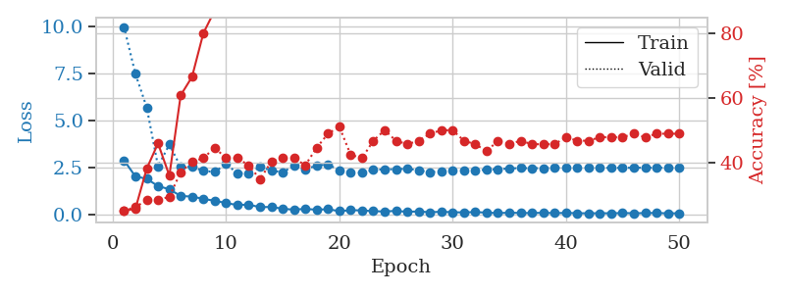
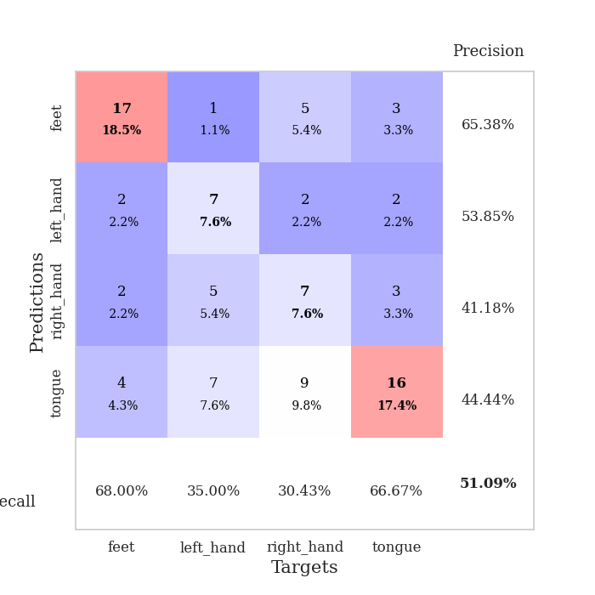
train_loss | valid_loss | train_accuracy | valid_accuracy | dur | train_misclass | valid_misclass
2.8691430569 | 9.9705042217 | 0.25 | 0.25 | 0.035246610641 | 25 | 25
2.0119244099 | 7.475288557 | 0.25543478261 | 0.26086956522 | 0.034271717072 | 25.543478261 | 26.086956522
1.8841093302 | 5.6887697344 | 0.38043478261 | 0.28260869565 | 0.034033060074 | 38.043478261 | 28.260869565
1.4961580276 | 2.5474538699 | 0.45923913043 | 0.28260869565 | 0.034039258957 | 45.923913043 | 28.260869565
1.3282244205 | 3.7087938682 | 0.35869565217 | 0.29347826087 | 0.034046411514 | 35.869565217 | 29.347826087
0.96676489115 | 2.5138958537 | 0.60869565217 | 0.36956521739 | 0.034122228622 | 60.869565217 | 36.956521739
0.93989863396 | 2.5221560416 | 0.66576086957 | 0.40217391304 | 0.034200191498 | 66.576086957 | 40.217391304
0.81189023256 | 2.3058177285 | 0.80163043478 | 0.41304347826 | 0.034332990646 | 80.163043478 | 41.304347826
0.71485519409 | 2.2475593608 | 0.8722826087 | 0.44565217391 | 0.034158468246 | 87.22826087 | 44.565217391
0.59327873588 | 2.6714350037 | 0.86956521739 | 0.41304347826 | 0.034224271774 | 86.956521739 | 41.304347826
0.48650475144 | 2.1805032854 | 0.94565217391 | 0.41304347826 | 0.033963918686 | 94.565217391 | 41.304347826
0.51048306227 | 2.1742519399 | 0.95923913043 | 0.39130434783 | 0.0346159935 | 95.923913043 | 39.130434783
0.37018277049 | 2.5101830752 | 0.89673913043 | 0.34782608696 | 0.034929513931 | 89.673913043 | 34.782608696
0.38808922172 | 2.3294578013 | 0.97010869565 | 0.40217391304 | 0.034207105637 | 97.010869565 | 40.217391304
0.28620736301 | 2.2229824481 | 0.98913043478 | 0.41304347826 | 0.034283399582 | 98.913043478 | 41.304347826
0.24102678895 | 2.5913137871 | 0.97826086957 | 0.41304347826 | 0.0342233181 | 97.826086957 | 41.304347826
0.28259598911 | 2.3782899483 | 0.97826086957 | 0.39130434783 | 0.034247875214 | 97.826086957 | 39.130434783
0.23539456725 | 2.5985464531 | 0.95652173913 | 0.44565217391 | 0.034323215485 | 95.652173913 | 44.565217391
0.26670103073 | 2.6431410935 | 0.97554347826 | 0.48913043478 | 0.034291505814 | 97.554347826 | 48.913043478
0.15854225308 | 2.3485503819 | 0.99184782609 | 0.51086956522 | 0.034452438354 | 99.184782609 | 51.086956522
0.21197360605 | 2.2380385503 | 0.97826086957 | 0.42391304348 | 0.03453207016 | 97.826086957 | 42.391304348
0.20037890822 | 2.2025365622 | 0.99184782609 | 0.41304347826 | 0.034355163574 | 99.184782609 | 41.304347826
0.15881720483 | 2.3609199317 | 0.99456521739 | 0.46739130435 | 0.034367799759 | 99.456521739 | 46.739130435
0.14315006733 | 2.3884056133 | 0.9972826087 | 0.5 | 0.034324645996 | 99.72826087 | 50
0.17577421069 | 2.3914916101 | 0.99456521739 | 0.46739130435 | 0.034300804138 | 99.456521739 | 46.739130435
0.12397977859 | 2.4223296953 | 0.9972826087 | 0.45652173913 | 0.034220933914 | 99.72826087 | 45.652173913
0.14752260745 | 2.3350796389 | 1 | 0.46739130435 | 0.034292697906 | 100 | 46.739130435
0.099077789485 | 2.2334568086 | 1 | 0.48913043478 | 0.034272909164 | 100 | 48.913043478
0.131640324 | 2.2902881166 | 1 | 0.5 | 0.03421998024 | 100 | 50
0.10117062479 | 2.3393077021 | 1 | 0.5 | 0.034208536148 | 100 | 50
0.095103102177 | 2.3283003724 | 1 | 0.46739130435 | 0.034201860428 | 100 | 46.739130435
0.11092533171 | 2.3308565928 | 1 | 0.45652173913 | 0.034378051758 | 100 | 45.652173913
0.083318728209 | 2.3685227581 | 1 | 0.4347826087 | 0.034203767776 | 100 | 43.47826087
0.055387675017 | 2.3945416264 | 1 | 0.46739130435 | 0.034310817719 | 100 | 46.739130435
0.079794938117 | 2.432295198 | 1 | 0.45652173913 | 0.034179449081 | 100 | 45.652173913
0.061825015023 | 2.4566259902 | 1 | 0.46739130435 | 0.034291505814 | 100 | 46.739130435
0.060127610713 | 2.4458424941 | 1 | 0.45652173913 | 0.034237861633 | 100 | 45.652173913
0.07515007779 | 2.4549848826 | 1 | 0.45652173913 | 0.034276723862 | 100 | 45.652173913
0.055029195175 | 2.4687079658 | 1 | 0.45652173913 | 0.034209728241 | 100 | 45.652173913
0.066413761675 | 2.4836902826 | 1 | 0.47826086957 | 0.034282684326 | 100 | 47.826086957
0.053223690763 | 2.4830004962 | 1 | 0.46739130435 | 0.034259557724 | 100 | 46.739130435
0.045385963097 | 2.4723432168 | 1 | 0.46739130435 | 0.03422665596 | 100 | 46.739130435
0.051438853517 | 2.4698396973 | 1 | 0.47826086957 | 0.034182548523 | 100 | 47.826086957
0.048030165583 | 2.4647868094 | 1 | 0.47826086957 | 0.034263849258 | 100 | 47.826086957
0.059965772554 | 2.4666750431 | 1 | 0.47826086957 | 0.034281015396 | 100 | 47.826086957
0.050973745435 | 2.4733327783 | 1 | 0.48913043478 | 0.034206390381 | 100 | 48.913043478
0.05713057667 | 2.4719412949 | 1 | 0.47826086957 | 0.034248113632 | 100 | 47.826086957
0.067086811736 | 2.4747445583 | 1 | 0.48913043478 | 0.034286499023 | 100 | 48.913043478
0.041666353494 | 2.4674509816 | 1 | 0.48913043478 | 0.034405231476 | 100 | 48.913043478
0.049528960511 | 2.4696984809 | 1 | 0.48913043478 | 0.034259080887 | 100 | 48.913043478

Best Val accuracy is 0.5108695652173914 and Best test accuracy is 0.5

