Sheet
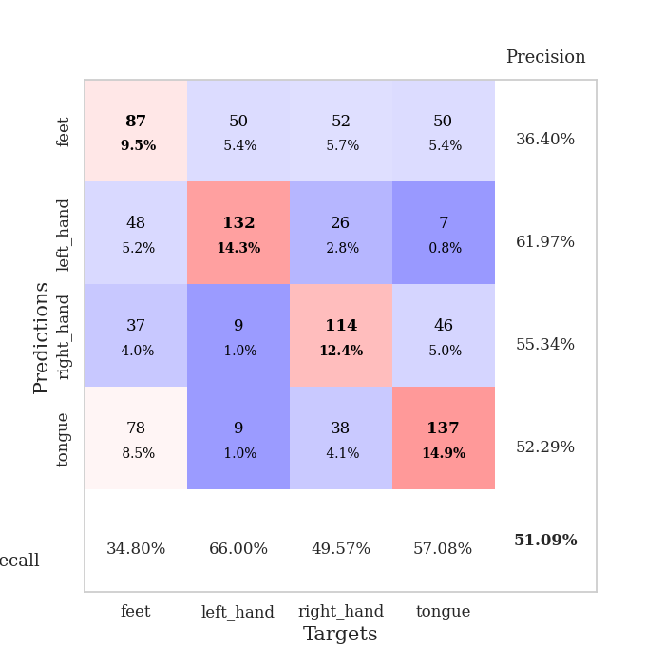
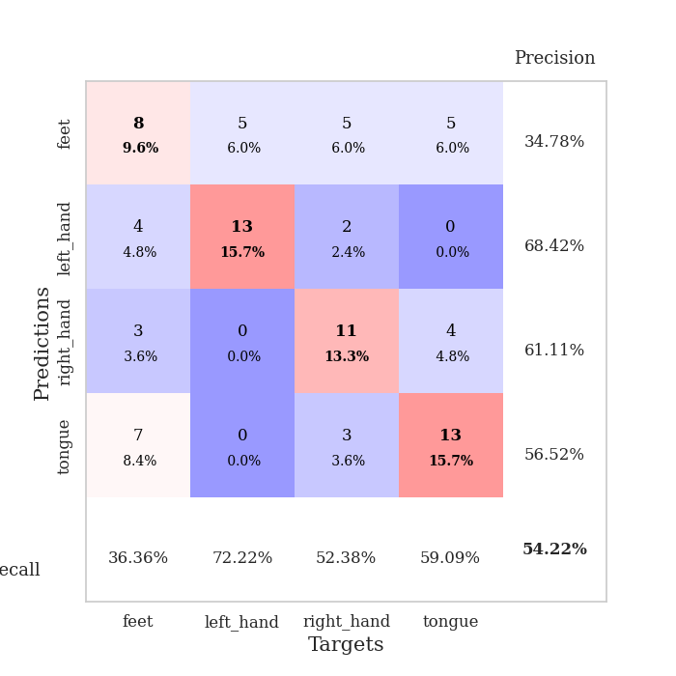
best_val_acc | best_val_los | best_test_acc
0.48913043478 | 2.1970144458 | 0.46551724138
0.51086956522 | 2.3607026079 | 0.45689655172
0.5652173913 | 1.967993928 | 0.52586206897
0.5 | 2.2122033938 | 0.46551724138
0.48913043478 | 2.2205479612 | 0.50862068966
0.48913043478 | 2.3463283414 | 0.46551724138
0.53260869565 | 2.086659504 | 0.52586206897
0.47826086957 | 2.342251477 | 0.43103448276
0.51086956522 | 2.2417068689 | 0.5
0.54347826087 | 1.8987027303 | 0.44827586207

Mean,std Val accuracy is 0.5108695652173914 , 0.028065096711647933 and mean, std test accuracy is 0.4793103448275862 , 0.033313509761355026

Sheet1
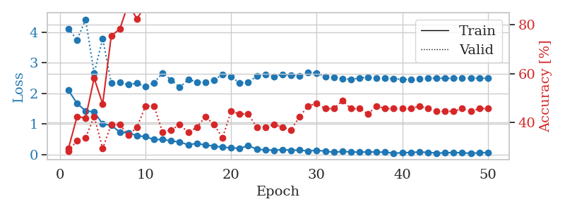
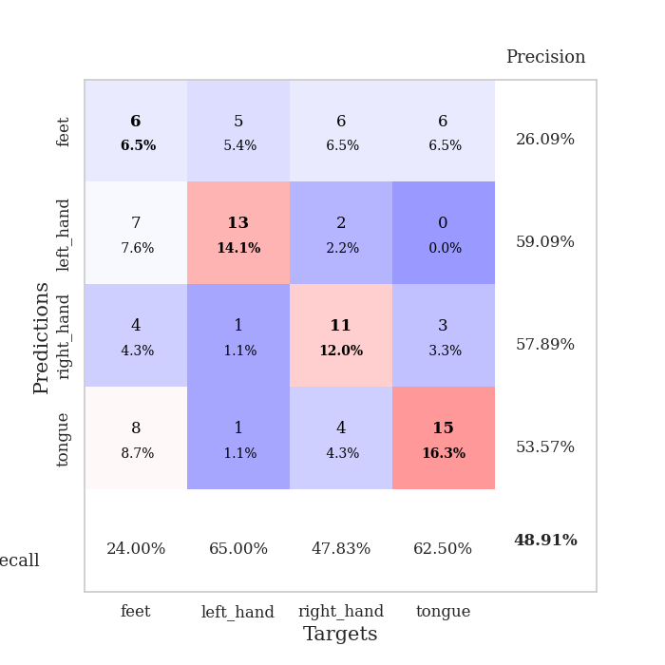
train_loss | valid_loss | train_accuracy | valid_accuracy | dur | train_misclass | valid_misclass
2.0978896618 | 4.1201048105 | 0.29347826087 | 0.28260869565 | 0.036933660507 | 29.347826087 | 28.260869565
1.6731090546 | 3.7467209671 | 0.42391304348 | 0.32608695652 | 0.035027742386 | 42.391304348 | 32.608695652
1.4261376381 | 4.4205539019 | 0.41847826087 | 0.33695652174 | 0.034293889999 | 41.847826087 | 33.695652174
1.3942307949 | 2.6555225642 | 0.58152173913 | 0.42391304348 | 0.033470153809 | 58.152173913 | 42.391304348
0.99411205053 | 3.791299623 | 0.47554347826 | 0.29347826087 | 0.033910989761 | 47.554347826 | 29.347826087
0.9578047514 | 2.3285442021 | 0.75543478261 | 0.39130434783 | 0.033375024796 | 75.543478261 | 39.130434783
0.72931246758 | 2.3633371021 | 0.78260869565 | 0.39130434783 | 0.033331394196 | 78.260869565 | 39.130434783
0.70612334609 | 2.2819354223 | 0.88858695652 | 0.34782608696 | 0.03336596489 | 88.858695652 | 34.782608696
0.61826121807 | 2.3352843782 | 0.82336956522 | 0.38043478261 | 0.033282279968 | 82.336956522 | 38.043478261
0.58047488332 | 2.216617351 | 0.88315217391 | 0.46739130435 | 0.033360004425 | 88.315217391 | 46.739130435
0.4890612483 | 2.3489136489 | 0.91847826087 | 0.46739130435 | 0.033489704132 | 91.847826087 | 46.739130435
0.49168394804 | 2.6671808699 | 0.88043478261 | 0.35869565217 | 0.033268213272 | 88.043478261 | 35.869565217
0.4425766468 | 2.4409174608 | 0.92391304348 | 0.36956521739 | 0.033177852631 | 92.391304348 | 36.956521739
0.40901530385 | 2.1970144458 | 0.96467391304 | 0.39130434783 | 0.033069133759 | 96.467391304 | 39.130434783
0.31627810895 | 2.4546505679 | 0.91847826087 | 0.35869565217 | 0.033305644989 | 91.847826087 | 35.869565217
0.36579554379 | 2.3713059374 | 0.95923913043 | 0.38043478261 | 0.033136367798 | 95.923913043 | 38.043478261
0.30794421732 | 2.364027298 | 0.98369565217 | 0.42391304348 | 0.033141136169 | 98.369565217 | 42.391304348
0.27802944779 | 2.4421974006 | 0.97010869565 | 0.39130434783 | 0.033293247223 | 97.010869565 | 39.130434783
0.23947589397 | 2.6153062634 | 0.97010869565 | 0.33695652174 | 0.033203125 | 97.010869565 | 33.695652174
0.21832891405 | 2.5482014418 | 0.98097826087 | 0.44565217391 | 0.033163547516 | 98.097826087 | 44.565217391
0.20038126111 | 2.3321988427 | 0.9972826087 | 0.4347826087 | 0.033229827881 | 99.72826087 | 43.47826087
0.28775744736 | 2.3691558942 | 0.9972826087 | 0.4347826087 | 0.033318519592 | 99.72826087 | 43.47826087
0.17448777109 | 2.5603665684 | 0.99456521739 | 0.38043478261 | 0.033179283142 | 99.456521739 | 38.043478261
0.14722732455 | 2.6100460343 | 0.99184782609 | 0.38043478261 | 0.033149957657 | 99.184782609 | 38.043478261
0.14105667844 | 2.5474376471 | 0.9972826087 | 0.39130434783 | 0.033165693283 | 99.72826087 | 39.130434783
0.16019088179 | 2.6212378792 | 0.99184782609 | 0.38043478261 | 0.03341293335 | 99.184782609 | 38.043478261
0.13914848566 | 2.5935434984 | 0.9972826087 | 0.36956521739 | 0.03312754631 | 99.72826087 | 36.956521739
0.14629787058 | 2.5783993939 | 1 | 0.42391304348 | 0.033200740814 | 100 | 42.391304348
0.11080486029 | 2.6804828955 | 1 | 0.46739130435 | 0.033265590668 | 100 | 46.739130435
0.1413132295 | 2.6610851392 | 1 | 0.47826086957 | 0.03338265419 | 100 | 47.826086957
0.10582628325 | 2.5516916773 | 1 | 0.45652173913 | 0.033756732941 | 100 | 45.652173913
0.073982853442 | 2.5177100068 | 1 | 0.45652173913 | 0.033302783966 | 100 | 45.652173913
0.097756897658 | 2.4772148806 | 1 | 0.48913043478 | 0.033184051514 | 100 | 48.913043478
0.083873105049 | 2.4611355636 | 1 | 0.45652173913 | 0.033919095993 | 100 | 45.652173913
0.074468360096 | 2.4979762098 | 1 | 0.45652173913 | 0.033203840256 | 100 | 45.652173913
0.085028873384 | 2.5324546151 | 1 | 0.4347826087 | 0.033246278763 | 100 | 43.47826087
0.079965689033 | 2.5094247383 | 1 | 0.46739130435 | 0.035411596298 | 100 | 46.739130435
0.073805870116 | 2.4895713537 | 1 | 0.45652173913 | 0.033646583557 | 100 | 45.652173913
0.046267010458 | 2.4814896895 | 1 | 0.45652173913 | 0.033818006516 | 100 | 45.652173913
0.05396614857 | 2.4567300237 | 1 | 0.45652173913 | 0.033574819565 | 100 | 45.652173913
0.069959314913 | 2.4552770749 | 1 | 0.45652173913 | 0.033114671707 | 100 | 45.652173913
0.077753983438 | 2.4709905386 | 1 | 0.46739130435 | 0.033561706543 | 100 | 46.739130435
0.07020483464 | 2.491233354 | 1 | 0.45652173913 | 0.033648490906 | 100 | 45.652173913
0.047523393109 | 2.4948348066 | 1 | 0.44565217391 | 0.033719301224 | 100 | 44.565217391
0.052296077088 | 2.4929000087 | 1 | 0.44565217391 | 0.033592939377 | 100 | 44.565217391
0.069596244395 | 2.494546854 | 1 | 0.44565217391 | 0.033308744431 | 100 | 44.565217391
0.049584336579 | 2.4936619634 | 1 | 0.45652173913 | 0.033490419388 | 100 | 45.652173913
0.043977846578 | 2.4933474945 | 1 | 0.44565217391 | 0.033996582031 | 100 | 44.565217391
0.049704396725 | 2.4925147399 | 1 | 0.45652173913 | 0.033459186554 | 100 | 45.652173913
0.070728229731 | 2.4948133386 | 1 | 0.45652173913 | 0.033615112305 | 100 | 45.652173913

Best Val accuracy is 0.4891304347826087 and Best test accuracy is 0.46551724137931033

Sheet2
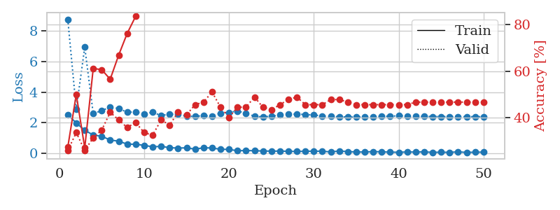
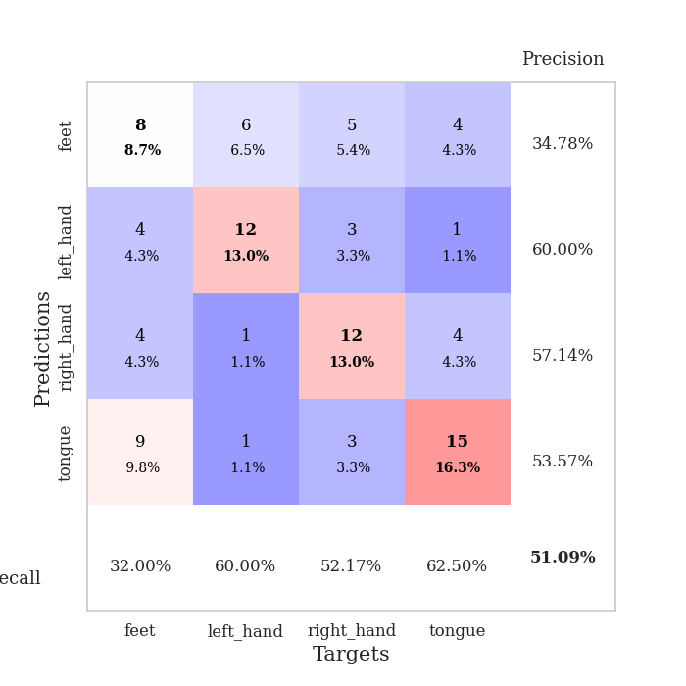
train_loss | valid_loss | train_accuracy | valid_accuracy | dur | train_misclass | valid_misclass
2.5087978363 | 8.7757250744 | 0.27445652174 | 0.26086956522 | 0.035019636154 | 27.445652174 | 26.086956522
1.9773809195 | 2.8837388806 | 0.5 | 0.33695652174 | 0.034318685532 | 50 | 33.695652174
1.4905591726 | 6.9404291692 | 0.27173913043 | 0.26086956522 | 0.034232378006 | 27.173913043 | 26.086956522
1.1862445235 | 2.579061871 | 0.61141304348 | 0.3152173913 | 0.033934354782 | 61.141304348 | 31.52173913
1.1002135754 | 2.7912052196 | 0.60597826087 | 0.34782608696 | 0.033679246902 | 60.597826087 | 34.782608696
0.85883101225 | 3.0074802274 | 0.5652173913 | 0.42391304348 | 0.034174919128 | 56.52173913 | 42.391304348
0.7796759963 | 2.925370828 | 0.66847826087 | 0.39130434783 | 0.034436225891 | 66.847826087 | 39.130434783
0.58780528307 | 2.6760337456 | 0.76086956522 | 0.35869565217 | 0.034367799759 | 76.086956522 | 35.869565217
0.57754333615 | 2.6991513086 | 0.83423913043 | 0.38043478261 | 0.034521818161 | 83.423913043 | 38.043478261
0.50823346972 | 2.575026792 | 0.92663043478 | 0.33695652174 | 0.033709049225 | 92.663043478 | 33.695652174
0.41165762246 | 2.6727037948 | 0.90217391304 | 0.32608695652 | 0.035064935684 | 90.217391304 | 32.608695652
0.43989320397 | 2.4606659723 | 0.9402173913 | 0.39130434783 | 0.033960580826 | 94.02173913 | 39.130434783
0.35387825668 | 2.5552230192 | 0.9402173913 | 0.36956521739 | 0.033990859985 | 94.02173913 | 36.956521739
0.32904969156 | 2.5499327494 | 0.96739130435 | 0.42391304348 | 0.036156415939 | 96.739130435 | 42.391304348
0.34474351406 | 2.403364026 | 0.97282608696 | 0.41304347826 | 0.034651041031 | 97.282608696 | 41.304347826
0.25948888361 | 2.4196615841 | 0.95108695652 | 0.45652173913 | 0.033987283707 | 95.108695652 | 45.652173913
0.34772278666 | 2.4449093238 | 0.95652173913 | 0.46739130435 | 0.034105062485 | 95.652173913 | 46.739130435
0.3345938623 | 2.4249707927 | 0.98913043478 | 0.51086956522 | 0.03409409523 | 98.913043478 | 51.086956522
0.24898829609 | 2.6159448727 | 0.97282608696 | 0.44565217391 | 0.034397602081 | 97.282608696 | 44.565217391
0.2416634351 | 2.6642145074 | 0.9972826087 | 0.40217391304 | 0.0337433815 | 99.72826087 | 40.217391304
0.15283446461 | 2.7581563514 | 0.99184782609 | 0.44565217391 | 0.034285306931 | 99.184782609 | 44.565217391
0.16820143163 | 2.6150238721 | 0.99184782609 | 0.44565217391 | 0.034245252609 | 99.184782609 | 44.565217391
0.1531871438 | 2.4121991085 | 0.9972826087 | 0.48913043478 | 0.033329248428 | 99.72826087 | 48.913043478
0.13795602918 | 2.3698377557 | 0.99184782609 | 0.44565217391 | 0.034203529358 | 99.184782609 | 44.565217391
0.12640116364 | 2.4202431596 | 0.9972826087 | 0.4347826087 | 0.03413105011 | 99.72826087 | 43.47826087
0.13216013312 | 2.4975148284 | 1 | 0.45652173913 | 0.034108877182 | 100 | 45.652173913
0.1154530324 | 2.5416974607 | 0.99456521739 | 0.47826086957 | 0.034115791321 | 99.456521739 | 47.826086957
0.1033683449 | 2.5578256275 | 0.99184782609 | 0.48913043478 | 0.034126996994 | 99.184782609 | 48.913043478
0.12104970515 | 2.5272738312 | 0.9972826087 | 0.45652173913 | 0.034156799316 | 99.72826087 | 45.652173913
0.12447892576 | 2.497149001 | 0.9972826087 | 0.45652173913 | 0.034170627594 | 99.72826087 | 45.652173913
0.12281948477 | 2.4347191375 | 1 | 0.45652173913 | 0.034274101257 | 100 | 45.652173913
0.074631437659 | 2.4090203202 | 1 | 0.47826086957 | 0.033740282059 | 100 | 47.826086957
0.13869976401 | 2.3786954154 | 1 | 0.47826086957 | 0.034274101257 | 100 | 47.826086957
0.096141021326 | 2.3607026079 | 1 | 0.46739130435 | 0.033660173416 | 100 | 46.739130435
0.072555239871 | 2.3616319895 | 1 | 0.45652173913 | 0.033213376999 | 100 | 45.652173913
0.069350798056 | 2.3742507437 | 1 | 0.45652173913 | 0.033148765564 | 100 | 45.652173913
0.098343406618 | 2.3893088983 | 1 | 0.45652173913 | 0.033086299896 | 100 | 45.652173913
0.081759127229 | 2.4013659591 | 1 | 0.45652173913 | 0.033769845963 | 100 | 45.652173913
0.062525504455 | 2.4207304146 | 1 | 0.45652173913 | 0.033535957336 | 100 | 45.652173913
0.053091590852 | 2.4413077209 | 1 | 0.45652173913 | 0.033916950226 | 100 | 45.652173913
0.072703377903 | 2.4371734858 | 1 | 0.45652173913 | 0.033420562744 | 100 | 45.652173913
0.067844857648 | 2.4094240354 | 1 | 0.46739130435 | 0.033757925034 | 100 | 46.739130435
0.078488295525 | 2.402909735 | 1 | 0.46739130435 | 0.033976793289 | 100 | 46.739130435
0.048640868068 | 2.3938375297 | 1 | 0.46739130435 | 0.034232854843 | 100 | 46.739130435
0.05796674639 | 2.3907148009 | 1 | 0.46739130435 | 0.033784389496 | 100 | 46.739130435
0.048374163359 | 2.3889223441 | 1 | 0.46739130435 | 0.033978939056 | 100 | 46.739130435
0.080338032544 | 2.3884483265 | 1 | 0.46739130435 | 0.033076047897 | 100 | 46.739130435
0.043241848424 | 2.3853205805 | 1 | 0.46739130435 | 0.033647060394 | 100 | 46.739130435
0.059437080473 | 2.3870061118 | 1 | 0.46739130435 | 0.033067703247 | 100 | 46.739130435
0.060882714018 | 2.3866686303 | 1 | 0.46739130435 | 0.03310751915 | 100 | 46.739130435

Best Val accuracy is 0.5108695652173914 and Best test accuracy is 0.45689655172413796

Sheet3
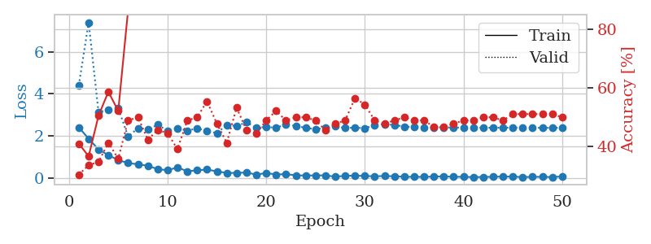
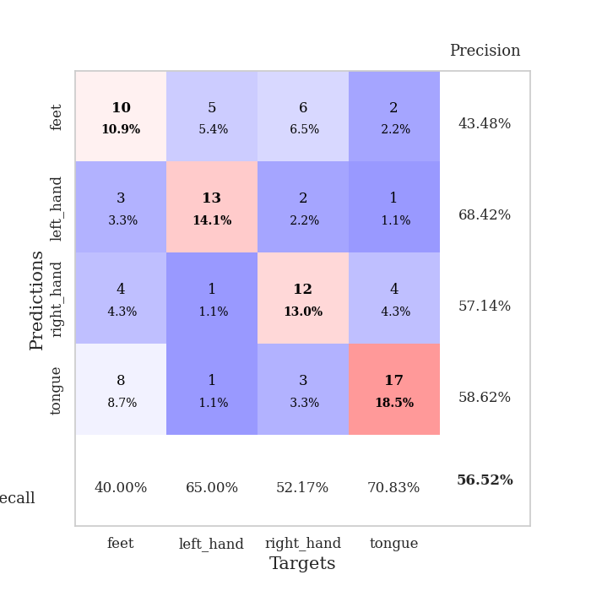
train_loss | valid_loss | train_accuracy | valid_accuracy | dur | train_misclass | valid_misclass
2.4045646191 | 4.3966690976 | 0.41032608696 | 0.30434782609 | 0.034917116165 | 41.032608696 | 30.434782609
1.8670364618 | 7.3920156852 | 0.36684782609 | 0.33695652174 | 0.034172296524 | 36.684782609 | 33.695652174
1.3521734953 | 3.1302814484 | 0.50543478261 | 0.34782608696 | 0.033803701401 | 50.543478261 | 34.782608696
1.0873710752 | 3.2307851211 | 0.58695652174 | 0.41304347826 | 0.033673763275 | 58.695652174 | 41.304347826
0.84684517384 | 3.3124942054 | 0.52173913043 | 0.35869565217 | 0.033703804016 | 52.173913043 | 35.869565217
0.71248627901 | 1.967993928 | 0.86684782609 | 0.48913043478 | 0.033024072647 | 86.684782609 | 48.913043478
0.64930397272 | 2.3670213948 | 0.86684782609 | 0.5 | 0.033104896545 | 86.684782609 | 50
0.58472242951 | 2.3156788142 | 0.90217391304 | 0.42391304348 | 0.033170223236 | 90.217391304 | 42.391304348
0.41867220402 | 2.5246623962 | 0.88858695652 | 0.45652173913 | 0.033252716064 | 88.858695652 | 45.652173913
0.37166886926 | 2.2498347396 | 0.92934782609 | 0.44565217391 | 0.033344745636 | 92.934782609 | 44.565217391
0.50074615479 | 2.3677007997 | 0.92119565217 | 0.39130434783 | 0.032947301865 | 92.119565217 | 39.130434783
0.32212705612 | 2.2416632797 | 0.96739130435 | 0.48913043478 | 0.033050298691 | 96.739130435 | 48.913043478
0.36440696418 | 2.3647256001 | 0.94836956522 | 0.5 | 0.032974720001 | 94.836956522 | 50
0.40221461058 | 2.2342294299 | 0.95108695652 | 0.55434782609 | 0.033047199249 | 95.108695652 | 55.434782609
0.31360909641 | 2.1327947793 | 0.97282608696 | 0.47826086957 | 0.03330540657 | 97.282608696 | 47.826086957
0.24195728302 | 2.5218866079 | 0.95652173913 | 0.41304347826 | 0.033119440079 | 95.652173913 | 41.304347826
0.23947469592 | 2.4655015572 | 0.95652173913 | 0.53260869565 | 0.032960891724 | 95.652173913 | 53.260869565
0.26009932756 | 2.6482596812 | 0.92934782609 | 0.45652173913 | 0.032933473587 | 92.934782609 | 45.652173913
0.16080525443 | 2.3758270637 | 0.98097826087 | 0.44565217391 | 0.033090829849 | 98.097826087 | 44.565217391
0.23701098561 | 2.4347974425 | 0.98641304348 | 0.48913043478 | 0.032616615295 | 98.641304348 | 48.913043478
0.16724395901 | 2.3792051129 | 0.9972826087 | 0.52173913043 | 0.032945871353 | 99.72826087 | 52.173913043
0.18052740693 | 2.548800313 | 0.98641304348 | 0.48913043478 | 0.033017635345 | 98.641304348 | 48.913043478
0.12812467366 | 2.4676836159 | 0.99184782609 | 0.5 | 0.033222198486 | 99.184782609 | 50
0.11622122526 | 2.3857487907 | 0.99456521739 | 0.5 | 0.033046722412 | 99.456521739 | 50
0.12338292301 | 2.3150047789 | 0.99184782609 | 0.48913043478 | 0.032886743546 | 99.184782609 | 48.913043478
0.12318049967 | 2.3863382599 | 0.99456521739 | 0.45652173913 | 0.032914161682 | 99.456521739 | 45.652173913
0.062967378646 | 2.4552147233 | 0.99456521739 | 0.47826086957 | 0.032849311829 | 99.456521739 | 47.826086957
0.10227562338 | 2.3755748272 | 0.9972826087 | 0.48913043478 | 0.032698392868 | 99.72826087 | 48.913043478
0.11176430658 | 2.3893443346 | 1 | 0.5652173913 | 0.03279042244 | 100 | 56.52173913
0.093505813181 | 2.365388466 | 1 | 0.54347826087 | 0.034209012985 | 100 | 54.347826087
0.082728990912 | 2.5067588868 | 1 | 0.48913043478 | 0.033390045166 | 100 | 48.913043478
0.092001145333 | 2.5551858156 | 1 | 0.47826086957 | 0.033093452454 | 100 | 47.826086957
0.084060694277 | 2.5163815022 | 1 | 0.48913043478 | 0.033511638641 | 100 | 48.913043478
0.058382023498 | 2.4436731131 | 1 | 0.5 | 0.033035039902 | 100 | 50
0.054683332145 | 2.4154958103 | 1 | 0.48913043478 | 0.033026695251 | 100 | 48.913043478
0.052771938778 | 2.4077739301 | 1 | 0.48913043478 | 0.032965421677 | 100 | 48.913043478
0.068423805386 | 2.4075184283 | 1 | 0.46739130435 | 0.033159017563 | 100 | 46.739130435
0.076138192415 | 2.4041766809 | 1 | 0.46739130435 | 0.032813310623 | 100 | 46.739130435
0.057199426368 | 2.3968342854 | 1 | 0.47826086957 | 0.032620668411 | 100 | 47.826086957
0.05553798005 | 2.3954293106 | 1 | 0.48913043478 | 0.03259062767 | 100 | 48.913043478
0.042496985197 | 2.3901819457 | 1 | 0.48913043478 | 0.032756567001 | 100 | 48.913043478
0.048572714627 | 2.3857633497 | 1 | 0.5 | 0.032533407211 | 100 | 50
0.057614717633 | 2.3888745204 | 1 | 0.5 | 0.032637119293 | 100 | 50
0.067135740444 | 2.3902458574 | 1 | 0.48913043478 | 0.032536029816 | 100 | 48.913043478
0.064481059462 | 2.3893777236 | 1 | 0.51086956522 | 0.032681703568 | 100 | 51.086956522
0.043894800544 | 2.3861082222 | 1 | 0.51086956522 | 0.032760620117 | 100 | 51.086956522
0.052641740441 | 2.3848980458 | 1 | 0.51086956522 | 0.032593488693 | 100 | 51.086956522
0.055519217253 | 2.3827773333 | 1 | 0.51086956522 | 0.032556295395 | 100 | 51.086956522
0.042545749247 | 2.381650707 | 1 | 0.51086956522 | 0.032495498657 | 100 | 51.086956522
0.075545767695 | 2.3818743022 | 1 | 0.5 | 0.032572507858 | 100 | 50

Best Val accuracy is 0.5652173913043478 and Best test accuracy is 0.5258620689655172

Sheet4
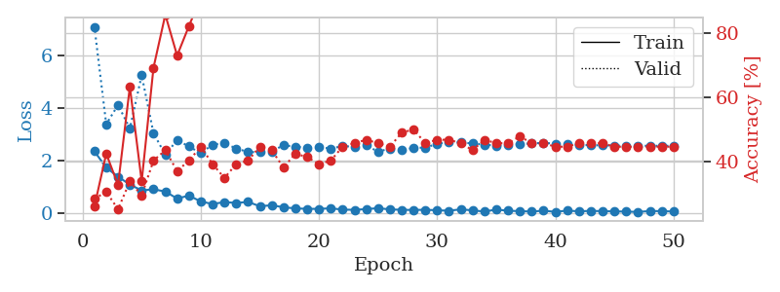
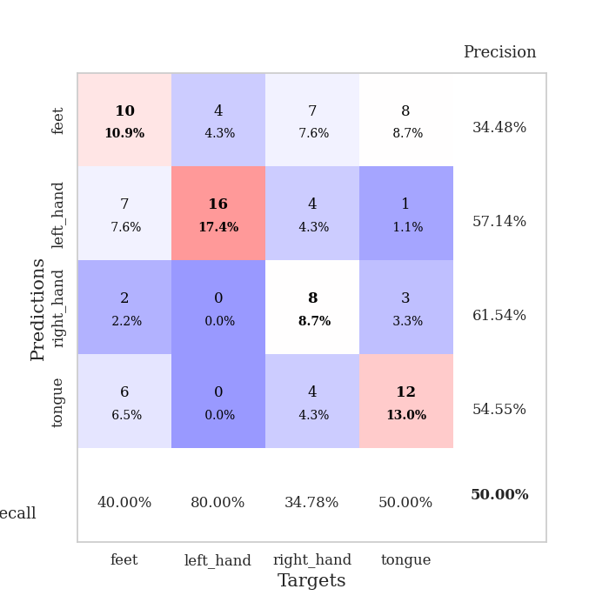
train_loss | valid_loss | train_accuracy | valid_accuracy | dur | train_misclass | valid_misclass
2.3478874207 | 7.0749406607 | 0.25815217391 | 0.28260869565 | 0.0348508358 | 25.815217391 | 28.260869565
1.7287198305 | 3.3765372919 | 0.42391304348 | 0.30434782609 | 0.034014463425 | 42.391304348 | 30.434782609
1.38259058 | 4.1055327084 | 0.32608695652 | 0.25 | 0.034031629562 | 32.608695652 | 25
1.0847038865 | 3.2150593426 | 0.63315217391 | 0.33695652174 | 0.032953262329 | 63.315217391 | 33.695652174
0.85939593315 | 5.2329848331 | 0.33695652174 | 0.29347826087 | 0.033586025238 | 33.695652174 | 29.347826087
0.90562671423 | 3.0373768081 | 0.69293478261 | 0.40217391304 | 0.033398151398 | 69.293478261 | 40.217391304
0.81840486526 | 2.2122033938 | 0.85869565217 | 0.4347826087 | 0.03399348259 | 85.869565217 | 43.47826087
0.55389194489 | 2.7758689549 | 0.73097826087 | 0.36956521739 | 0.034220695496 | 73.097826087 | 36.956521739
0.66445011497 | 2.5302750235 | 0.82336956522 | 0.40217391304 | 0.033210277557 | 82.336956522 | 40.217391304
0.44237527251 | 2.2731888968 | 0.91304347826 | 0.44565217391 | 0.033304691315 | 91.304347826 | 44.565217391
0.34493405223 | 2.6005579389 | 0.89130434783 | 0.39130434783 | 0.033879756927 | 89.130434783 | 39.130434783
0.42074011564 | 2.6550393519 | 0.88586956522 | 0.34782608696 | 0.03329706192 | 88.586956522 | 34.782608696
0.38500098586 | 2.4521676457 | 0.97554347826 | 0.39130434783 | 0.032824277878 | 97.554347826 | 39.130434783
0.42677636743 | 2.3207431669 | 0.95652173913 | 0.40217391304 | 0.033391714096 | 95.652173913 | 40.217391304
0.2590805769 | 2.3113268821 | 0.9347826087 | 0.44565217391 | 0.032840967178 | 93.47826087 | 44.565217391
0.29963957965 | 2.3416770075 | 0.98369565217 | 0.4347826087 | 0.032883167267 | 98.369565217 | 43.47826087
0.22222060263 | 2.5792412447 | 0.98641304348 | 0.38043478261 | 0.032875299454 | 98.641304348 | 38.043478261
0.1789193362 | 2.5208696956 | 0.98913043478 | 0.42391304348 | 0.032898664474 | 98.913043478 | 42.391304348
0.16249946058 | 2.4860121737 | 0.98369565217 | 0.41304347826 | 0.033066749573 | 98.369565217 | 41.304347826
0.16087762713 | 2.5050365199 | 0.98913043478 | 0.39130434783 | 0.033069372177 | 98.913043478 | 39.130434783
0.18315915018 | 2.4520365155 | 0.99456521739 | 0.40217391304 | 0.033073425293 | 99.456521739 | 40.217391304
0.13264550567 | 2.5449032887 | 0.99184782609 | 0.44565217391 | 0.033142805099 | 99.184782609 | 44.565217391
0.12534733564 | 2.5193015285 | 0.9972826087 | 0.45652173913 | 0.033113956451 | 99.72826087 | 45.652173913
0.1511332795 | 2.5765731127 | 0.9972826087 | 0.46739130435 | 0.033805131912 | 99.72826087 | 46.739130435
0.1886489287 | 2.3313817511 | 0.9972826087 | 0.45652173913 | 0.033942461014 | 99.72826087 | 45.652173913
0.14098812193 | 2.4535524845 | 0.99184782609 | 0.44565217391 | 0.033492803574 | 99.184782609 | 44.565217391
0.12559364587 | 2.3885209664 | 0.99184782609 | 0.48913043478 | 0.033827781677 | 99.184782609 | 48.913043478
0.11883293837 | 2.478181953 | 1 | 0.5 | 0.034472227097 | 100 | 50
0.12708043531 | 2.4864947381 | 0.9972826087 | 0.45652173913 | 0.034249305725 | 99.72826087 | 45.652173913
0.10829018578 | 2.628346495 | 0.99456521739 | 0.46739130435 | 0.033158063889 | 99.456521739 | 46.739130435
0.090189029276 | 2.7050101446 | 0.9972826087 | 0.46739130435 | 0.033000469208 | 99.72826087 | 46.739130435
0.14402195364 | 2.6803962977 | 0.99456521739 | 0.45652173913 | 0.03311920166 | 99.456521739 | 45.652173913
0.10360576436 | 2.646949115 | 0.9972826087 | 0.4347826087 | 0.033657550812 | 99.72826087 | 43.47826087
0.060354243964 | 2.5974761507 | 0.9972826087 | 0.46739130435 | 0.033493757248 | 99.72826087 | 46.739130435
0.13336294442 | 2.5632200967 | 1 | 0.45652173913 | 0.034177064896 | 100 | 45.652173913
0.091670767218 | 2.5876676518 | 1 | 0.45652173913 | 0.033985614777 | 100 | 45.652173913
0.073439900577 | 2.6192159031 | 1 | 0.47826086957 | 0.03341627121 | 100 | 47.826086957
0.060855959356 | 2.647615837 | 1 | 0.45652173913 | 0.033334970474 | 100 | 45.652173913
0.091193886846 | 2.6654000904 | 1 | 0.45652173913 | 0.033233165741 | 100 | 45.652173913
0.049201420695 | 2.6389072874 | 1 | 0.44565217391 | 0.033397197723 | 100 | 44.565217391
0.094779483229 | 2.6265224063 | 1 | 0.44565217391 | 0.033122062683 | 100 | 44.565217391
0.068594128639 | 2.5907967713 | 1 | 0.45652173913 | 0.033113002777 | 100 | 45.652173913
0.085038039833 | 2.5803557894 | 1 | 0.45652173913 | 0.032908439636 | 100 | 45.652173913
0.074180369824 | 2.5700366186 | 1 | 0.45652173913 | 0.033090591431 | 100 | 45.652173913
0.066140901297 | 2.5638137175 | 1 | 0.44565217391 | 0.033089399338 | 100 | 44.565217391
0.057790043205 | 2.5585490206 | 1 | 0.44565217391 | 0.033108711243 | 100 | 44.565217391
0.044739469327 | 2.5568141834 | 1 | 0.44565217391 | 0.032989025116 | 100 | 44.565217391
0.079297721386 | 2.5557731442 | 1 | 0.44565217391 | 0.033032655716 | 100 | 44.565217391
0.075131592155 | 2.5559698499 | 1 | 0.44565217391 | 0.033076763153 | 100 | 44.565217391
0.060793531314 | 2.5567936897 | 1 | 0.44565217391 | 0.033002614975 | 100 | 44.565217391

Best Val accuracy is 0.5 and Best test accuracy is 0.46551724137931033

Sheet5
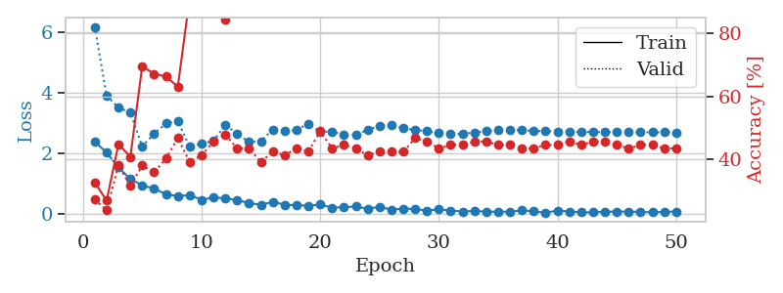
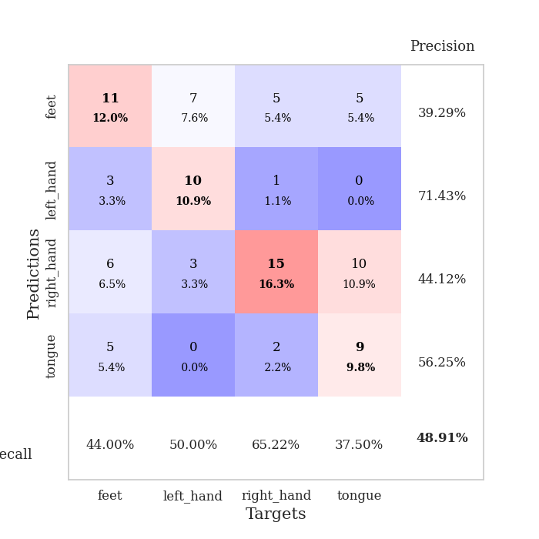
train_loss | valid_loss | train_accuracy | valid_accuracy | dur | train_misclass | valid_misclass
2.3856235027 | 6.1853653659 | 0.32608695652 | 0.27173913043 | 0.034375905991 | 32.608695652 | 27.173913043
2.0131556988 | 3.8991865179 | 0.26902173913 | 0.23913043478 | 0.033727645874 | 26.902173913 | 23.913043478
1.525434494 | 3.5121485565 | 0.44836956522 | 0.38043478261 | 0.032518625259 | 44.836956522 | 38.043478261
1.1406159043 | 3.3450577155 | 0.40760869565 | 0.3152173913 | 0.033492088318 | 40.760869565 | 31.52173913
0.93269870281 | 2.2214090617 | 0.69565217391 | 0.38043478261 | 0.032460927963 | 69.565217391 | 38.043478261
0.82436996698 | 2.6475986916 | 0.67119565217 | 0.35869565217 | 0.032466411591 | 67.119565217 | 35.869565217
0.6409760952 | 2.9832641871 | 0.66304347826 | 0.40217391304 | 0.032526493073 | 66.304347826 | 40.217391304
0.57997633815 | 3.0529206421 | 0.63043478261 | 0.46739130435 | 0.032958030701 | 63.043478261 | 46.739130435
0.60734285116 | 2.2205479612 | 0.91304347826 | 0.39130434783 | 0.032691001892 | 91.304347826 | 39.130434783
0.45534231663 | 2.3192708544 | 0.90489130435 | 0.41304347826 | 0.032476663589 | 90.489130435 | 41.304347826
0.5306581378 | 2.4081909708 | 0.89130434783 | 0.45652173913 | 0.032556772232 | 89.130434783 | 45.652173913
0.50613449216 | 2.9319691658 | 0.84239130435 | 0.47826086957 | 0.032387495041 | 84.239130435 | 47.826086957
0.4441234529 | 2.6437535701 | 0.91847826087 | 0.4347826087 | 0.033292770386 | 91.847826087 | 43.47826087
0.34508903921 | 2.3685010309 | 0.95108695652 | 0.4347826087 | 0.032470941544 | 95.108695652 | 43.47826087
0.29180580676 | 2.3971046158 | 0.95923913043 | 0.39130434783 | 0.032427310944 | 95.923913043 | 39.130434783
0.38604091406 | 2.7793232254 | 0.94293478261 | 0.42391304348 | 0.0325319767 | 94.293478261 | 42.391304348
0.29419270754 | 2.7288526763 | 0.95108695652 | 0.41304347826 | 0.032499790192 | 95.108695652 | 41.304347826
0.27415072024 | 2.7740942706 | 0.94565217391 | 0.4347826087 | 0.032509326935 | 94.565217391 | 43.47826087
0.26002059132 | 2.9748837015 | 0.89130434783 | 0.42391304348 | 0.032382726669 | 89.130434783 | 42.391304348
0.29601429403 | 2.7049422886 | 0.96739130435 | 0.48913043478 | 0.032366514206 | 96.739130435 | 48.913043478
0.19593043327 | 2.7208301606 | 0.98097826087 | 0.4347826087 | 0.033333063126 | 98.097826087 | 43.47826087
0.20749883801 | 2.6057119888 | 0.98369565217 | 0.44565217391 | 0.034511566162 | 98.369565217 | 44.565217391
0.23482894301 | 2.6144966457 | 0.99184782609 | 0.4347826087 | 0.03259062767 | 99.184782609 | 43.47826087
0.15626312047 | 2.7690341265 | 0.98097826087 | 0.41304347826 | 0.032255649567 | 98.097826087 | 41.304347826
0.22491355836 | 2.9034564184 | 0.9972826087 | 0.42391304348 | 0.032343149185 | 99.72826087 | 42.391304348
0.12804605961 | 2.9330788488 | 0.99184782609 | 0.42391304348 | 0.032307624817 | 99.184782609 | 42.391304348
0.1631692186 | 2.8282398763 | 0.99456521739 | 0.42391304348 | 0.032377958298 | 99.456521739 | 42.391304348
0.14786042273 | 2.7684453674 | 1 | 0.46739130435 | 0.032449007034 | 100 | 46.739130435
0.098306854069 | 2.7318487167 | 1 | 0.45652173913 | 0.032315731049 | 100 | 45.652173913
0.13928867057 | 2.658046909 | 1 | 0.4347826087 | 0.032584190369 | 100 | 43.47826087
0.1002438195 | 2.6392344081 | 1 | 0.44565217391 | 0.032494783401 | 100 | 44.565217391
0.065267718956 | 2.6356006187 | 1 | 0.44565217391 | 0.032947540283 | 100 | 44.565217391
0.086233199388 | 2.68242298 | 1 | 0.45652173913 | 0.032296657562 | 100 | 45.652173913
0.061506491154 | 2.7243170635 | 1 | 0.45652173913 | 0.032700538635 | 100 | 45.652173913
0.062867315114 | 2.7570963528 | 1 | 0.44565217391 | 0.032417058945 | 100 | 44.565217391
0.058475528844 | 2.7623862702 | 1 | 0.44565217391 | 0.032760381699 | 100 | 44.565217391
0.10409168899 | 2.7671984279 | 1 | 0.4347826087 | 0.032705307007 | 100 | 43.47826087
0.06956346184 | 2.7361388206 | 1 | 0.4347826087 | 0.032411336899 | 100 | 43.47826087
0.02848997917 | 2.7282302898 | 1 | 0.44565217391 | 0.032422542572 | 100 | 44.565217391
0.097158689052 | 2.719661609 | 1 | 0.44565217391 | 0.032482147217 | 100 | 44.565217391
0.066512753814 | 2.715137803 | 1 | 0.45652173913 | 0.03248333931 | 100 | 45.652173913
0.041495920718 | 2.7034781808 | 1 | 0.44565217391 | 0.033008575439 | 100 | 44.565217391
0.038664084673 | 2.7028506839 | 1 | 0.45652173913 | 0.032486915588 | 100 | 45.652173913
0.060944982246 | 2.7005562679 | 1 | 0.45652173913 | 0.032698392868 | 100 | 45.652173913
0.065271750093 | 2.6983379074 | 1 | 0.44565217391 | 0.032566070557 | 100 | 44.565217391
0.062779905647 | 2.6940833278 | 1 | 0.4347826087 | 0.033529043198 | 100 | 43.47826087
0.056328133494 | 2.6947090833 | 1 | 0.44565217391 | 0.03338599205 | 100 | 44.565217391
0.03751302585 | 2.6924287236 | 1 | 0.44565217391 | 0.033410072327 | 100 | 44.565217391
0.056388117 | 2.6911620264 | 1 | 0.4347826087 | 0.03359079361 | 100 | 43.47826087
0.064534812048 | 2.6891522719 | 1 | 0.4347826087 | 0.033207654953 | 100 | 43.47826087

Best Val accuracy is 0.4891304347826087 and Best test accuracy is 0.5086206896551724

Sheet6
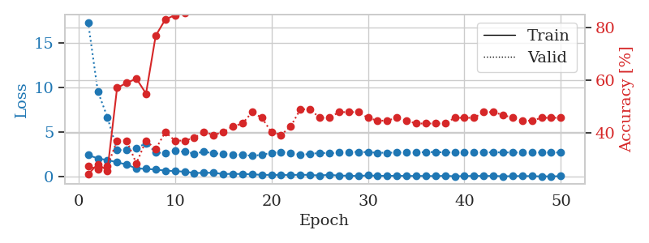
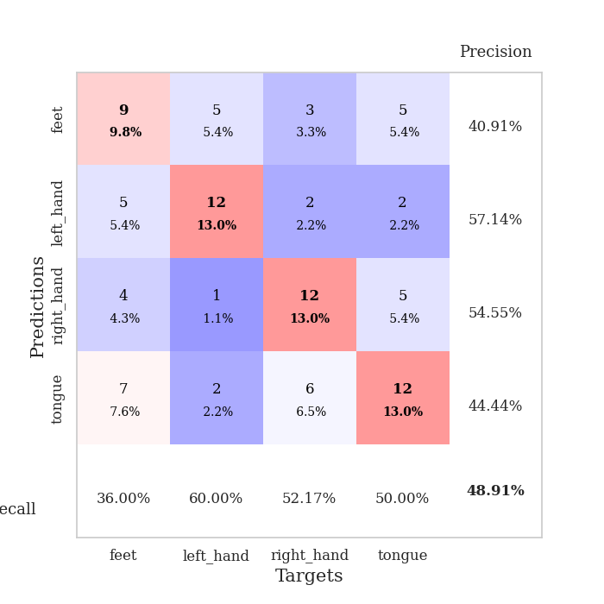
train_loss | valid_loss | train_accuracy | valid_accuracy | dur | train_misclass | valid_misclass
2.4326288223 | 17.35583239 | 0.24184782609 | 0.27173913043 | 0.035087823868 | 24.184782609 | 27.173913043
2.0504689217 | 9.6014202367 | 0.27989130435 | 0.26086956522 | 0.034116506577 | 27.989130435 | 26.086956522
1.8648702621 | 6.671749115 | 0.25543478261 | 0.27173913043 | 0.034272909164 | 25.543478261 | 27.173913043
1.6149712086 | 2.9904106596 | 0.57065217391 | 0.36956521739 | 0.034061431885 | 57.065217391 | 36.956521739
1.3571693659 | 2.9900211977 | 0.58967391304 | 0.36956521739 | 0.034310102463 | 58.967391304 | 36.956521739
0.92016515732 | 3.1743625765 | 0.60597826087 | 0.28260869565 | 0.034379720688 | 60.597826087 | 28.260869565
0.88113565445 | 3.7834768606 | 0.54891304348 | 0.36956521739 | 0.033188581467 | 54.891304348 | 36.956521739
0.79857704639 | 2.7320316667 | 0.76902173913 | 0.33695652174 | 0.033182382584 | 76.902173913 | 33.695652174
0.68363211155 | 2.6330793422 | 0.83152173913 | 0.40217391304 | 0.03338766098 | 83.152173913 | 40.217391304
0.62451714277 | 2.888025968 | 0.84782608696 | 0.36956521739 | 0.034151315689 | 84.782608696 | 36.956521739
0.56301841736 | 2.794326181 | 0.85597826087 | 0.36956521739 | 0.033558368683 | 85.597826087 | 36.956521739
0.41079674363 | 2.6010506568 | 0.90760869565 | 0.38043478261 | 0.033168792725 | 90.760869565 | 38.043478261
0.42882413268 | 2.794669597 | 0.91032608696 | 0.40217391304 | 0.034180164337 | 91.032608696 | 40.217391304
0.44094359279 | 2.6300026748 | 0.95108695652 | 0.39130434783 | 0.033964395523 | 95.108695652 | 39.130434783
0.28724943697 | 2.5541745891 | 0.98097826087 | 0.40217391304 | 0.03327703476 | 98.097826087 | 40.217391304
0.32106328607 | 2.4926126107 | 0.97010869565 | 0.42391304348 | 0.033670663834 | 97.010869565 | 42.391304348
0.28986906707 | 2.439093538 | 0.97554347826 | 0.4347826087 | 0.034481287003 | 97.554347826 | 43.47826087
0.26506545544 | 2.3463283414 | 0.98641304348 | 0.47826086957 | 0.034149646759 | 98.641304348 | 47.826086957
0.20100503564 | 2.4500444661 | 0.98913043478 | 0.45652173913 | 0.034081697464 | 98.913043478 | 45.652173913
0.19913063049 | 2.6866941659 | 0.98913043478 | 0.40217391304 | 0.034549474716 | 98.913043478 | 40.217391304
0.18753612041 | 2.7837003625 | 0.98369565217 | 0.39130434783 | 0.033650159836 | 98.369565217 | 39.130434783
0.17907017916 | 2.6396411916 | 0.99456521739 | 0.42391304348 | 0.033691167831 | 99.456521739 | 42.391304348
0.22057864964 | 2.4875767542 | 0.98641304348 | 0.48913043478 | 0.03351688385 | 98.641304348 | 48.913043478
0.18738577366 | 2.5307726031 | 0.99456521739 | 0.48913043478 | 0.034335136414 | 99.456521739 | 48.913043478
0.13642723337 | 2.6930843644 | 0.98641304348 | 0.45652173913 | 0.033619165421 | 98.641304348 | 45.652173913
0.20518433452 | 2.6053925286 | 0.9972826087 | 0.45652173913 | 0.033569574356 | 99.72826087 | 45.652173913
0.12096208781 | 2.718315819 | 0.9972826087 | 0.47826086957 | 0.03345656395 | 99.72826087 | 47.826086957
0.1076077342 | 2.7749092164 | 1 | 0.47826086957 | 0.033811330795 | 100 | 47.826086957
0.072268203646 | 2.7781763699 | 1 | 0.47826086957 | 0.033063173294 | 100 | 47.826086957
0.14749837369 | 2.7543260844 | 1 | 0.45652173913 | 0.033105134964 | 100 | 45.652173913
0.091012936085 | 2.6905315026 | 1 | 0.44565217391 | 0.033449172974 | 100 | 44.565217391
0.095562751591 | 2.6842108706 | 1 | 0.44565217391 | 0.033456087112 | 100 | 44.565217391
0.09701570496 | 2.7145518324 | 1 | 0.45652173913 | 0.033281803131 | 100 | 45.652173913
0.082501704991 | 2.7282518097 | 1 | 0.44565217391 | 0.033087015152 | 100 | 44.565217391
0.077953949198 | 2.7185591615 | 1 | 0.4347826087 | 0.033532142639 | 100 | 43.47826087
0.080785507709 | 2.7581912953 | 1 | 0.4347826087 | 0.033185720444 | 100 | 43.47826087
0.062456997484 | 2.7656418137 | 1 | 0.4347826087 | 0.033023118973 | 100 | 43.47826087
0.095844372362 | 2.726859186 | 1 | 0.4347826087 | 0.033032894135 | 100 | 43.47826087
0.047245319933 | 2.7157198657 | 1 | 0.45652173913 | 0.0330991745 | 100 | 45.652173913
0.06468346417 | 2.7246532544 | 1 | 0.45652173913 | 0.033238649368 | 100 | 45.652173913
0.087417991832 | 2.730419387 | 1 | 0.45652173913 | 0.034022331238 | 100 | 45.652173913
0.073635959625 | 2.7338672306 | 1 | 0.47826086957 | 0.03307557106 | 100 | 47.826086957
0.084336391091 | 2.7307036752 | 1 | 0.47826086957 | 0.033152103424 | 100 | 47.826086957
0.048205080628 | 2.7247457401 | 1 | 0.46739130435 | 0.033111333847 | 100 | 46.739130435
0.057426758483 | 2.7162005487 | 1 | 0.45652173913 | 0.033082008362 | 100 | 45.652173913
0.074203009158 | 2.7113355346 | 1 | 0.44565217391 | 0.033073663712 | 100 | 44.565217391
0.057875010744 | 2.7129798246 | 1 | 0.44565217391 | 0.033082485199 | 100 | 44.565217391
0.031567421928 | 2.7143611804 | 1 | 0.45652173913 | 0.033181905746 | 100 | 45.652173913
0.033460492268 | 2.713009855 | 1 | 0.45652173913 | 0.033013820648 | 100 | 45.652173913
0.055382824689 | 2.7118907493 | 1 | 0.45652173913 | 0.033458471298 | 100 | 45.652173913

Best Val accuracy is 0.4891304347826087 and Best test accuracy is 0.46551724137931033

Sheet7
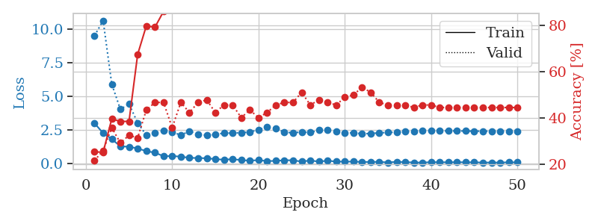
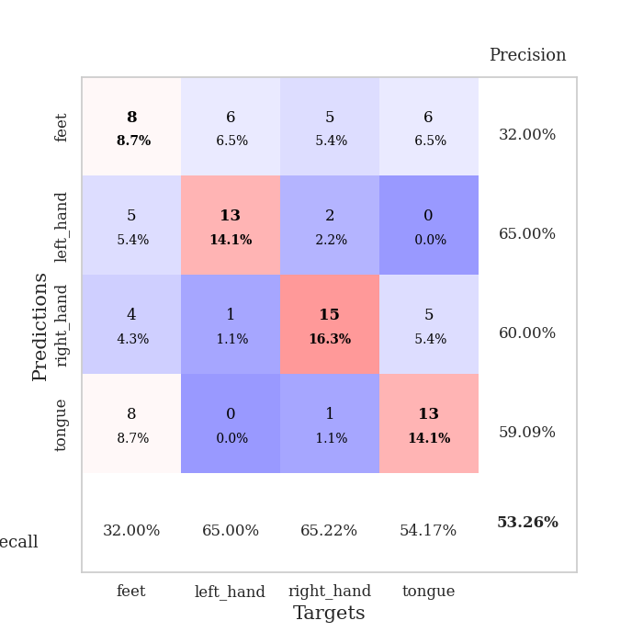
train_loss | valid_loss | train_accuracy | valid_accuracy | dur | train_misclass | valid_misclass
2.9810729504 | 9.5081803695 | 0.25543478261 | 0.21739130435 | 0.035213708878 | 25.543478261 | 21.739130435
2.2526633978 | 10.645134097 | 0.2527173913 | 0.26086956522 | 0.034432649612 | 25.27173913 | 26.086956522
1.8057211876 | 5.9053945334 | 0.39673913043 | 0.35869565217 | 0.034369945526 | 39.673913043 | 35.869565217
1.2594360352 | 4.0199589626 | 0.38586956522 | 0.29347826087 | 0.034319162369 | 38.586956522 | 29.347826087
1.2312910676 | 4.4247896153 | 0.38586956522 | 0.32608695652 | 0.033512830734 | 38.586956522 | 32.608695652
1.1036376238 | 3.0110426675 | 0.67391304348 | 0.3152173913 | 0.033586978912 | 67.391304348 | 31.52173913
0.90556209087 | 2.1029102388 | 0.79619565217 | 0.4347826087 | 0.03421831131 | 79.619565217 | 43.47826087
0.78915008307 | 2.2487187645 | 0.79076086957 | 0.46739130435 | 0.034307479858 | 79.076086957 | 46.739130435
0.52737144232 | 2.414813871 | 0.85869565217 | 0.46739130435 | 0.034283638 | 85.869565217 | 46.739130435
0.53739363551 | 2.3409321256 | 0.88043478261 | 0.35869565217 | 0.034206151962 | 88.043478261 | 35.869565217
0.49543578625 | 2.0893324821 | 0.90217391304 | 0.46739130435 | 0.034082174301 | 90.217391304 | 46.739130435
0.40026214719 | 2.398728692 | 0.89402173913 | 0.42391304348 | 0.034234523773 | 89.402173913 | 42.391304348
0.39387892187 | 2.1740931946 | 0.96739130435 | 0.46739130435 | 0.034174203873 | 96.739130435 | 46.739130435
0.37035549283 | 2.086659504 | 0.9375 | 0.47826086957 | 0.03409910202 | 93.75 | 47.826086957
0.31301126778 | 2.1464153114 | 0.96739130435 | 0.42391304348 | 0.034424781799 | 96.739130435 | 42.391304348
0.26045146883 | 2.2447483177 | 0.97826086957 | 0.45652173913 | 0.034249305725 | 97.826086957 | 45.652173913
0.31113601029 | 2.2512508164 | 0.97826086957 | 0.45652173913 | 0.034322738647 | 97.826086957 | 45.652173913
0.23229790926 | 2.2817890229 | 0.98641304348 | 0.40217391304 | 0.034364938736 | 98.641304348 | 40.217391304
0.19517701566 | 2.3252502265 | 0.98097826087 | 0.4347826087 | 0.033595323563 | 98.097826087 | 43.47826087
0.23214665353 | 2.5061587354 | 0.98913043478 | 0.40217391304 | 0.033614873886 | 98.913043478 | 40.217391304
0.16181439012 | 2.6944751843 | 0.97826086957 | 0.42391304348 | 0.034101486206 | 97.826086957 | 42.391304348
0.17516822964 | 2.6037409098 | 0.97282608696 | 0.45652173913 | 0.033829212189 | 97.282608696 | 45.652173913
0.22702329457 | 2.3147674592 | 0.99456521739 | 0.46739130435 | 0.033310174942 | 99.456521739 | 46.739130435
0.21795737147 | 2.2713703539 | 0.98913043478 | 0.46739130435 | 0.033570766449 | 98.913043478 | 46.739130435
0.12358209789 | 2.3313471027 | 0.97554347826 | 0.51086956522 | 0.034285068512 | 97.554347826 | 51.086956522
0.20829202533 | 2.292956487 | 0.9972826087 | 0.45652173913 | 0.034530639648 | 99.72826087 | 45.652173913
0.12091691047 | 2.4621455877 | 0.98641304348 | 0.47826086957 | 0.034343957901 | 98.641304348 | 47.826086957
0.19313322604 | 2.4890362802 | 0.99184782609 | 0.46739130435 | 0.034136533737 | 99.184782609 | 46.739130435
0.1220960319 | 2.3618575438 | 1 | 0.45652173913 | 0.034148454666 | 100 | 45.652173913
0.12023361772 | 2.2837339899 | 1 | 0.48913043478 | 0.033930063248 | 100 | 48.913043478
0.12295566648 | 2.2572722746 | 1 | 0.5 | 0.034252882004 | 100 | 50
0.095746474713 | 2.2065982819 | 1 | 0.53260869565 | 0.034220695496 | 100 | 53.260869565
0.096537011117 | 2.2128455846 | 1 | 0.51086956522 | 0.034500598907 | 100 | 51.086956522
0.10454469472 | 2.2702427066 | 1 | 0.46739130435 | 0.034326553345 | 100 | 46.739130435
0.061373534426 | 2.2911347514 | 1 | 0.45652173913 | 0.034253835678 | 100 | 45.652173913
0.10564688742 | 2.3251662358 | 1 | 0.45652173913 | 0.033250808716 | 100 | 45.652173913
0.084438157082 | 2.3547090862 | 1 | 0.45652173913 | 0.033705711365 | 100 | 45.652173913
0.059160771593 | 2.3933431791 | 1 | 0.44565217391 | 0.034198760986 | 100 | 44.565217391
0.049299840257 | 2.41596847 | 1 | 0.45652173913 | 0.034209012985 | 100 | 45.652173913
0.083685470372 | 2.4168194118 | 1 | 0.45652173913 | 0.03382229805 | 100 | 45.652173913
0.077138296515 | 2.4096522383 | 1 | 0.44565217391 | 0.033670902252 | 100 | 44.565217391
0.07303417474 | 2.4114214026 | 1 | 0.44565217391 | 0.034044742584 | 100 | 44.565217391
0.080947722495 | 2.4090670606 | 1 | 0.44565217391 | 0.034029006958 | 100 | 44.565217391
0.070014573634 | 2.4027400069 | 1 | 0.44565217391 | 0.033216953278 | 100 | 44.565217391
0.072285040468 | 2.3935735899 | 1 | 0.44565217391 | 0.033265829086 | 100 | 44.565217391
0.050233981013 | 2.392562322 | 1 | 0.44565217391 | 0.035149335861 | 100 | 44.565217391
0.058160571754 | 2.3888406183 | 1 | 0.44565217391 | 0.033101558685 | 100 | 44.565217391
0.050073082373 | 2.3932328898 | 1 | 0.44565217391 | 0.033325910568 | 100 | 44.565217391
0.074308117479 | 2.3920261808 | 1 | 0.44565217391 | 0.032711029053 | 100 | 44.565217391
0.063760094345 | 2.3914085005 | 1 | 0.44565217391 | 0.033787250519 | 100 | 44.565217391

Best Val accuracy is 0.532608695652174 and Best test accuracy is 0.5258620689655172

Sheet8
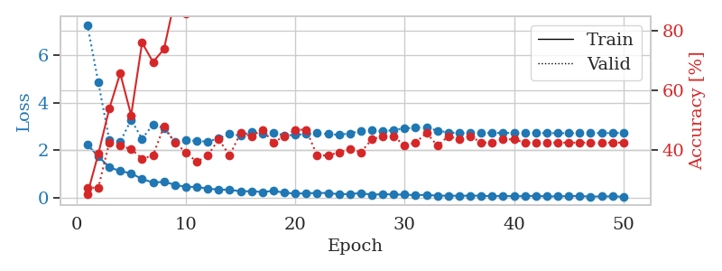
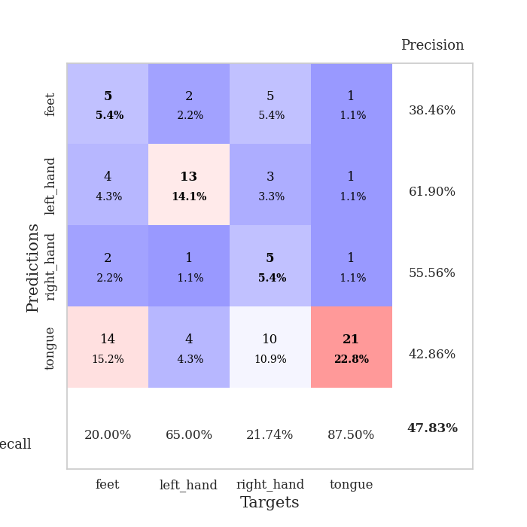
train_loss | valid_loss | train_accuracy | valid_accuracy | dur | train_misclass | valid_misclass
2.2309435606 | 7.2746370979 | 0.25 | 0.27173913043 | 0.034697294235 | 25 | 27.173913043
1.7350694895 | 4.8486095511 | 0.38586956522 | 0.27173913043 | 0.03550028801 | 38.586956522 | 27.173913043
1.2783871174 | 2.4340908838 | 0.53804347826 | 0.42391304348 | 0.032784223557 | 53.804347826 | 42.391304348
1.1195671916 | 2.3545610075 | 0.65760869565 | 0.41304347826 | 0.033442735672 | 65.760869565 | 41.304347826
1.02085042 | 3.27344458 | 0.51630434783 | 0.40217391304 | 0.032603740692 | 51.630434783 | 40.217391304
0.78492623568 | 2.4759565644 | 0.76086956522 | 0.36956521739 | 0.032596349716 | 76.086956522 | 36.956521739
0.63608289361 | 3.0809116571 | 0.69565217391 | 0.38043478261 | 0.032480955124 | 69.565217391 | 38.043478261
0.66513456106 | 2.9249813971 | 0.73913043478 | 0.47826086957 | 0.032583475113 | 73.913043478 | 47.826086957
0.54255292416 | 2.342251477 | 0.90760869565 | 0.42391304348 | 0.03288435936 | 90.760869565 | 42.391304348
0.45069767237 | 2.426239335 | 0.85869565217 | 0.39130434783 | 0.032560348511 | 85.869565217 | 39.130434783
0.45184508562 | 2.3853313508 | 0.9375 | 0.35869565217 | 0.032535552979 | 93.75 | 35.869565217
0.3774132967 | 2.3557764655 | 0.95108695652 | 0.38043478261 | 0.032450199127 | 95.108695652 | 38.043478261
0.33996281028 | 2.50037638 | 0.92119565217 | 0.4347826087 | 0.03248667717 | 92.119565217 | 43.47826087
0.3314106375 | 2.675351402 | 0.92663043478 | 0.38043478261 | 0.032475948334 | 92.663043478 | 38.043478261
0.26578693092 | 2.6132491257 | 0.94293478261 | 0.45652173913 | 0.032459259033 | 94.293478261 | 45.652173913
0.26840375066 | 2.7654211417 | 0.9402173913 | 0.44565217391 | 0.032466650009 | 94.02173913 | 44.565217391
0.23820921183 | 2.7071980704 | 0.97282608696 | 0.46739130435 | 0.032509803772 | 97.282608696 | 46.739130435
0.28327409625 | 2.7443892541 | 0.98369565217 | 0.42391304348 | 0.032498121262 | 98.369565217 | 42.391304348
0.20890213847 | 2.6195208404 | 0.95923913043 | 0.44565217391 | 0.032500982285 | 95.923913043 | 44.565217391
0.16799573749 | 2.6403975901 | 0.95380434783 | 0.46739130435 | 0.03250169754 | 95.380434783 | 46.739130435
0.18348860145 | 2.6818297635 | 0.98641304348 | 0.46739130435 | 0.032430648804 | 98.641304348 | 46.739130435
0.19631928951 | 2.7286729916 | 0.98641304348 | 0.38043478261 | 0.032452344894 | 98.641304348 | 38.043478261
0.19640256613 | 2.6732235577 | 0.99184782609 | 0.38043478261 | 0.032555103302 | 99.184782609 | 38.043478261
0.14004561603 | 2.6461572025 | 0.99184782609 | 0.39130434783 | 0.032683849335 | 99.184782609 | 39.130434783
0.15539095402 | 2.7064127715 | 0.9972826087 | 0.40217391304 | 0.032482862473 | 99.72826087 | 40.217391304
0.19038698077 | 2.8022854535 | 1 | 0.39130434783 | 0.032478094101 | 100 | 39.130434783
0.12316484153 | 2.8257874821 | 0.9972826087 | 0.4347826087 | 0.032474756241 | 99.72826087 | 43.47826087
0.14709568918 | 2.7918101497 | 0.99184782609 | 0.44565217391 | 0.032518386841 | 99.184782609 | 44.565217391
0.13155648261 | 2.8506222912 | 0.99184782609 | 0.44565217391 | 0.032468318939 | 99.184782609 | 44.565217391
0.12595655024 | 2.9193754403 | 1 | 0.41304347826 | 0.032531023026 | 100 | 41.304347826
0.10114695057 | 2.9433508023 | 1 | 0.42391304348 | 0.032528162003 | 100 | 42.391304348
0.12082134783 | 2.9548582098 | 0.99184782609 | 0.45652173913 | 0.032663583755 | 99.184782609 | 45.652173913
0.078022896126 | 2.8186360546 | 1 | 0.41304347826 | 0.034960031509 | 100 | 41.304347826
0.083248023503 | 2.748185873 | 1 | 0.44565217391 | 0.032484769821 | 100 | 44.565217391
0.073743478954 | 2.7131251149 | 1 | 0.4347826087 | 0.032575845718 | 100 | 43.47826087
0.085170363635 | 2.7186738823 | 1 | 0.44565217391 | 0.032670259476 | 100 | 44.565217391
0.077101758122 | 2.7197859391 | 1 | 0.42391304348 | 0.032722711563 | 100 | 42.391304348
0.061772084981 | 2.7271415773 | 1 | 0.42391304348 | 0.032856702805 | 100 | 42.391304348
0.071309329569 | 2.7249523038 | 1 | 0.4347826087 | 0.03265786171 | 100 | 43.47826087
0.058514869958 | 2.7270067982 | 1 | 0.4347826087 | 0.032575368881 | 100 | 43.47826087
0.062285364792 | 2.7272767088 | 1 | 0.42391304348 | 0.032620429993 | 100 | 42.391304348
0.0725045247 | 2.7199106942 | 1 | 0.42391304348 | 0.032719373703 | 100 | 42.391304348
0.051046795398 | 2.7168294761 | 1 | 0.42391304348 | 0.032620668411 | 100 | 42.391304348
0.053830550611 | 2.7141174544 | 1 | 0.42391304348 | 0.033069610596 | 100 | 42.391304348
0.064506241679 | 2.7142193525 | 1 | 0.42391304348 | 0.032693862915 | 100 | 42.391304348
0.068910934031 | 2.7160150901 | 1 | 0.42391304348 | 0.032604455948 | 100 | 42.391304348
0.039127505943 | 2.7179282126 | 1 | 0.42391304348 | 0.032771587372 | 100 | 42.391304348
0.054200524837 | 2.7182874369 | 1 | 0.42391304348 | 0.033091545105 | 100 | 42.391304348
0.04918544367 | 2.7220060722 | 1 | 0.42391304348 | 0.032652616501 | 100 | 42.391304348
0.039449511841 | 2.7242136727 | 1 | 0.42391304348 | 0.032683849335 | 100 | 42.391304348

Best Val accuracy is 0.4782608695652174 and Best test accuracy is 0.43103448275862066

Sheet9
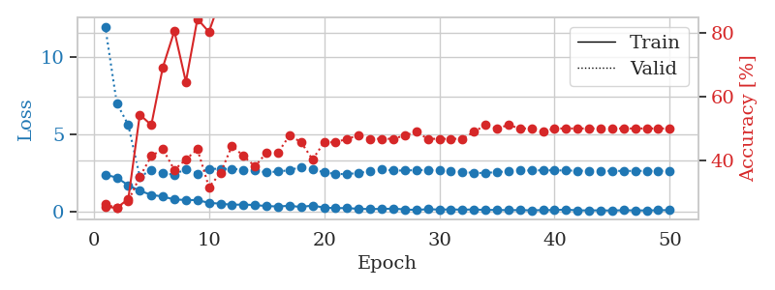
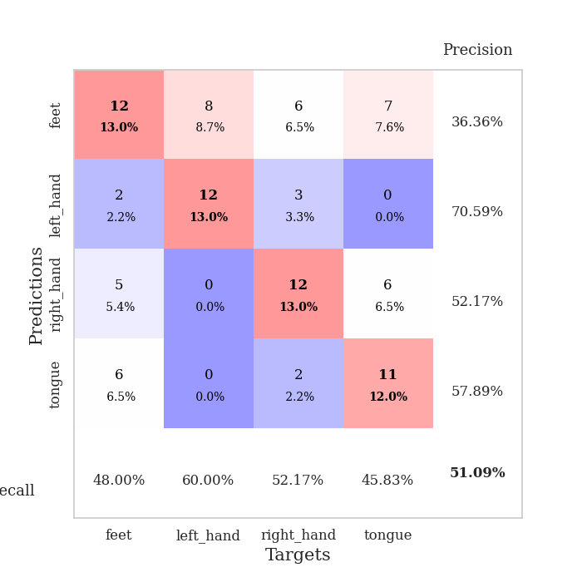
train_loss | valid_loss | train_accuracy | valid_accuracy | dur | train_misclass | valid_misclass
2.3784639597 | 11.981673282 | 0.2527173913 | 0.26086956522 | 0.036012172699 | 25.27173913 | 26.086956522
2.183091116 | 7.0149634403 | 0.25 | 0.25 | 0.035315752029 | 25 | 25
1.6867249966 | 5.5985865593 | 0.27717391304 | 0.27173913043 | 0.032985448837 | 27.717391304 | 27.173913043
1.3271867275 | 2.2417068689 | 0.54347826087 | 0.34782608696 | 0.034175872803 | 54.347826087 | 34.782608696
1.0653512239 | 2.6741463931 | 0.51086956522 | 0.41304347826 | 0.034212350845 | 51.086956522 | 41.304347826
0.95393712521 | 2.4694460475 | 0.69293478261 | 0.4347826087 | 0.034640550613 | 69.293478261 | 43.47826087
0.76196892262 | 2.3740867739 | 0.80706521739 | 0.36956521739 | 0.034241437912 | 80.706521739 | 36.956521739
0.73486582041 | 2.7500469374 | 0.64673913043 | 0.40217391304 | 0.033688306808 | 64.673913043 | 40.217391304
0.72239302397 | 2.4374607128 | 0.84510869565 | 0.4347826087 | 0.033561706543 | 84.510869565 | 43.47826087
0.54535845518 | 2.7620740351 | 0.80434782609 | 0.3152173913 | 0.033203601837 | 80.434782609 | 31.52173913
0.4929045558 | 2.7448604522 | 0.90760869565 | 0.35869565217 | 0.033782482147 | 90.760869565 | 35.869565217
0.42043389082 | 2.755573055 | 0.88315217391 | 0.44565217391 | 0.035209417343 | 88.315217391 | 44.565217391
0.43793826103 | 2.6951236621 | 0.95380434783 | 0.41304347826 | 0.034171819687 | 95.380434783 | 41.304347826
0.39907400012 | 2.6510644892 | 0.97282608696 | 0.38043478261 | 0.033931493759 | 97.282608696 | 38.043478261
0.33899597824 | 2.5222197616 | 0.97826086957 | 0.42391304348 | 0.033639192581 | 97.826086957 | 42.391304348
0.30985352993 | 2.5821154118 | 0.95652173913 | 0.42391304348 | 0.033782482147 | 95.652173913 | 42.391304348
0.35780282915 | 2.6597728729 | 0.96739130435 | 0.47826086957 | 0.033715724945 | 96.739130435 | 47.826086957
0.27378481925 | 2.8861304573 | 0.94836956522 | 0.45652173913 | 0.034214496613 | 94.836956522 | 45.652173913
0.37738029361 | 2.7056903321 | 0.98641304348 | 0.40217391304 | 0.034159421921 | 98.641304348 | 40.217391304
0.23186285943 | 2.5297143252 | 0.98097826087 | 0.45652173913 | 0.034012556076 | 98.097826087 | 45.652173913
0.20527393222 | 2.4167467822 | 0.99456521739 | 0.45652173913 | 0.033477783203 | 99.456521739 | 45.652173913
0.20554728508 | 2.4159251607 | 0.98369565217 | 0.46739130435 | 0.034048318863 | 98.369565217 | 46.739130435
0.15697756559 | 2.4854708029 | 0.99184782609 | 0.47826086957 | 0.034254550934 | 99.184782609 | 47.826086957
0.14601735249 | 2.599527556 | 0.99184782609 | 0.46739130435 | 0.034112691879 | 99.184782609 | 46.739130435
0.15253884643 | 2.7165080153 | 0.99184782609 | 0.46739130435 | 0.034842967987 | 99.184782609 | 46.739130435
0.16946018264 | 2.6467091726 | 1 | 0.46739130435 | 0.035958528519 | 100 | 46.739130435
0.12036739439 | 2.6417095143 | 1 | 0.47826086957 | 0.036378383636 | 100 | 47.826086957
0.084665498137 | 2.6733372108 | 1 | 0.48913043478 | 0.036408185959 | 100 | 48.913043478
0.13484347314 | 2.6684053462 | 1 | 0.46739130435 | 0.03634095192 | 100 | 46.739130435
0.1087842159 | 2.6680004286 | 1 | 0.46739130435 | 0.035601377487 | 100 | 46.739130435
0.11960086673 | 2.6242463796 | 1 | 0.46739130435 | 0.035654306412 | 100 | 46.739130435
0.1030487597 | 2.5518153439 | 1 | 0.46739130435 | 0.035328149796 | 100 | 46.739130435
0.11884851307 | 2.4858879732 | 1 | 0.48913043478 | 0.03564786911 | 100 | 48.913043478
0.08389044553 | 2.4885023262 | 1 | 0.51086956522 | 0.034984350204 | 100 | 51.086956522
0.087996262312 | 2.5413590825 | 1 | 0.5 | 0.035866498947 | 100 | 50
0.067918634415 | 2.5931837455 | 1 | 0.51086956522 | 0.035139083862 | 100 | 51.086956522
0.079716271162 | 2.6371026868 | 1 | 0.5 | 0.035654783249 | 100 | 50
0.058298427984 | 2.6512202491 | 1 | 0.5 | 0.0352871418 | 100 | 50
0.077520181611 | 2.6578678981 | 1 | 0.48913043478 | 0.036623001099 | 100 | 48.913043478
0.074515111744 | 2.6569849097 | 1 | 0.5 | 0.036561489105 | 100 | 50
0.11050195619 | 2.646063815 | 1 | 0.5 | 0.035818338394 | 100 | 50
0.053228236735 | 2.6306041324 | 1 | 0.5 | 0.035975933075 | 100 | 50
0.061161457002 | 2.6238140334 | 1 | 0.5 | 0.035493135452 | 100 | 50
0.056744164973 | 2.6187715116 | 1 | 0.5 | 0.035737991333 | 100 | 50
0.050419390574 | 2.6170084062 | 1 | 0.5 | 0.035698413849 | 100 | 50
0.066192242503 | 2.6171328814 | 1 | 0.5 | 0.035903692245 | 100 | 50
0.056645168364 | 2.6181323114 | 1 | 0.5 | 0.036177873611 | 100 | 50
0.053150185943 | 2.6190267542 | 1 | 0.5 | 0.036113023758 | 100 | 50
0.06613824293 | 2.6208704762 | 1 | 0.5 | 0.035762310028 | 100 | 50
0.07605695948 | 2.6209000194 | 1 | 0.5 | 0.035783290863 | 100 | 50

Best Val accuracy is 0.5108695652173914 and Best test accuracy is 0.5

Sheet10
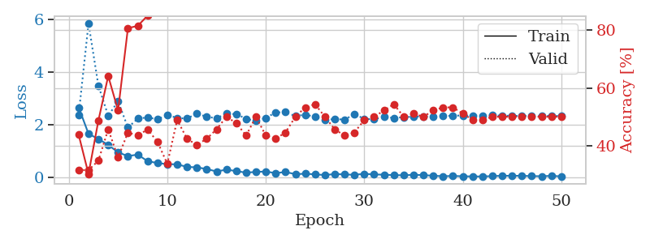
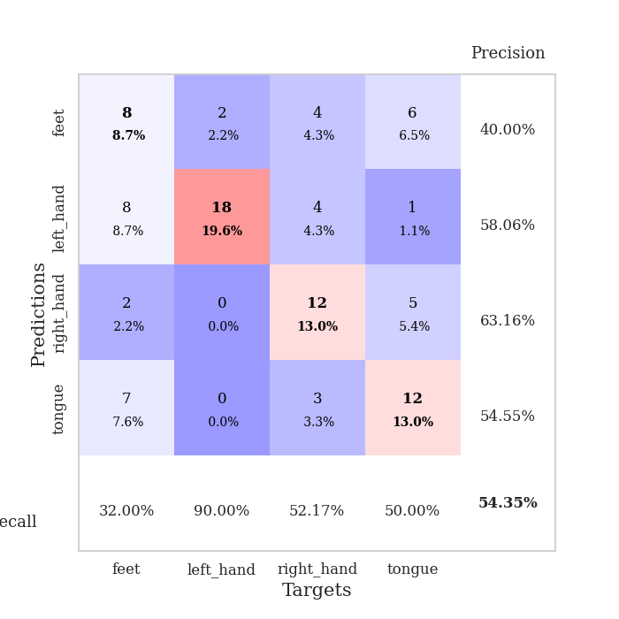
train_loss | valid_loss | train_accuracy | valid_accuracy | dur | train_misclass | valid_misclass
2.6679011583 | 2.3862186929 | 0.4375 | 0.3152173913 | 0.035133123398 | 43.75 | 31.52173913
1.6606903791 | 5.8610555193 | 0.30163043478 | 0.3152173913 | 0.03346157074 | 30.163043478 | 31.52173913
1.4634596825 | 3.4989513418 | 0.48641304348 | 0.34782608696 | 0.033412694931 | 48.641304348 | 34.782608696
1.2401140213 | 2.3473149279 | 0.64130434783 | 0.45652173913 | 0.033038854599 | 64.130434783 | 45.652173913
0.95408973694 | 2.900899856 | 0.52173913043 | 0.35869565217 | 0.035465717316 | 52.173913043 | 35.869565217
0.81385653019 | 1.8987027303 | 0.80706521739 | 0.44565217391 | 0.035565853119 | 80.706521739 | 44.565217391
0.86996412277 | 2.2401350063 | 0.8152173913 | 0.4347826087 | 0.034890174866 | 81.52173913 | 43.47826087
0.61811891794 | 2.285519631 | 0.85054347826 | 0.45652173913 | 0.034313201904 | 85.054347826 | 45.652173913
0.54961423874 | 2.2130855788 | 0.89130434783 | 0.41304347826 | 0.034469127655 | 89.130434783 | 41.304347826
0.5048274219 | 2.3761501831 | 0.89130434783 | 0.33695652174 | 0.034424304962 | 89.130434783 | 33.695652174
0.500225842 | 2.2663348706 | 0.92119565217 | 0.48913043478 | 0.034197092056 | 92.119565217 | 48.913043478
0.40064098835 | 2.2380188963 | 0.9402173913 | 0.42391304348 | 0.037012338638 | 94.02173913 | 42.391304348
0.38453269601 | 2.4385320311 | 0.92391304348 | 0.40217391304 | 0.034638404846 | 92.391304348 | 40.217391304
0.32034377903 | 2.3038988321 | 0.97282608696 | 0.42391304348 | 0.034312963486 | 97.282608696 | 42.391304348
0.22722744048 | 2.2569306156 | 0.97554347826 | 0.45652173913 | 0.03459239006 | 97.554347826 | 45.652173913
0.2968223244 | 2.4245993054 | 0.97554347826 | 0.5 | 0.034358024597 | 97.554347826 | 50
0.24302816242 | 2.4089933893 | 0.96739130435 | 0.47826086957 | 0.035112857819 | 96.739130435 | 47.826086957
0.18148219883 | 2.2363554498 | 0.98369565217 | 0.4347826087 | 0.034822225571 | 98.369565217 | 43.47826087
0.21160464883 | 2.14512414 | 0.98641304348 | 0.5 | 0.034473419189 | 98.641304348 | 50
0.22497206479 | 2.2658856744 | 0.98369565217 | 0.4347826087 | 0.03460931778 | 98.369565217 | 43.47826087
0.16382621527 | 2.4730316038 | 0.99184782609 | 0.42391304348 | 0.034895658493 | 99.184782609 | 42.391304348
0.20782373846 | 2.4838750881 | 0.98641304348 | 0.44565217391 | 0.034271478653 | 98.641304348 | 44.565217391
0.12496585399 | 2.3345461876 | 0.9972826087 | 0.5 | 0.034381389618 | 99.72826087 | 50
0.14161345959 | 2.389841287 | 0.99456521739 | 0.53260869565 | 0.034185647964 | 99.456521739 | 53.260869565
0.11872714907 | 2.311201588 | 0.9972826087 | 0.54347826087 | 0.035347700119 | 99.72826087 | 54.347826087
0.090074358881 | 2.1769577006 | 1 | 0.5 | 0.035417079926 | 100 | 50
0.13052826077 | 2.228666093 | 1 | 0.45652173913 | 0.033975362778 | 100 | 45.652173913
0.11522321329 | 2.1974462841 | 1 | 0.4347826087 | 0.034244775772 | 100 | 43.47826087
0.10001126304 | 2.4170139147 | 0.98369565217 | 0.44565217391 | 0.034206390381 | 98.369565217 | 44.565217391
0.13954354972 | 2.2251399859 | 1 | 0.48913043478 | 0.034281253815 | 100 | 48.913043478
0.11325969547 | 2.2162684617 | 1 | 0.5 | 0.034230947495 | 100 | 50
0.10558442101 | 2.307770019 | 0.99456521739 | 0.52173913043 | 0.033284664154 | 99.456521739 | 52.173913043
0.087834692001 | 2.2635971411 | 1 | 0.54347826087 | 0.034193992615 | 100 | 54.347826087
0.083433920518 | 2.2961371567 | 1 | 0.5 | 0.034230232239 | 100 | 50
0.09847173132 | 2.3109863789 | 1 | 0.51086956522 | 0.034102916718 | 100 | 51.086956522
0.089465475082 | 2.3269469323 | 1 | 0.5 | 0.034646511078 | 100 | 50
0.064439342543 | 2.328748957 | 1 | 0.52173913043 | 0.034864902496 | 100 | 52.173913043
0.047422621399 | 2.3332308894 | 1 | 0.53260869565 | 0.034980773926 | 100 | 53.260869565
0.056954152882 | 2.3521002013 | 1 | 0.53260869565 | 0.0343542099 | 100 | 53.260869565
0.04613372907 | 2.3570381558 | 1 | 0.51086956522 | 0.034076213837 | 100 | 51.086956522
0.038885719702 | 2.3594644692 | 1 | 0.48913043478 | 0.034156322479 | 100 | 48.913043478
0.038621147722 | 2.3599798213 | 1 | 0.48913043478 | 0.033135175705 | 100 | 48.913043478
0.051097077876 | 2.3611810104 | 1 | 0.5 | 0.033434152603 | 100 | 50
0.063995022327 | 2.3512538516 | 1 | 0.5 | 0.034062862396 | 100 | 50
0.062316078693 | 2.3460868908 | 1 | 0.5 | 0.03343462944 | 100 | 50
0.063745257258 | 2.3421344342 | 1 | 0.5 | 0.034826517105 | 100 | 50
0.049621002749 | 2.3431636976 | 1 | 0.5 | 0.034452438354 | 100 | 50
0.048005507886 | 2.3430376467 | 1 | 0.5 | 0.034604072571 | 100 | 50
0.059268902242 | 2.3428898998 | 1 | 0.5 | 0.03418636322 | 100 | 50
0.042238339037 | 2.3419551383 | 1 | 0.5 | 0.034262657166 | 100 | 50

Best Val accuracy is 0.5434782608695652 and Best test accuracy is 0.4482758620689655

