Sheet
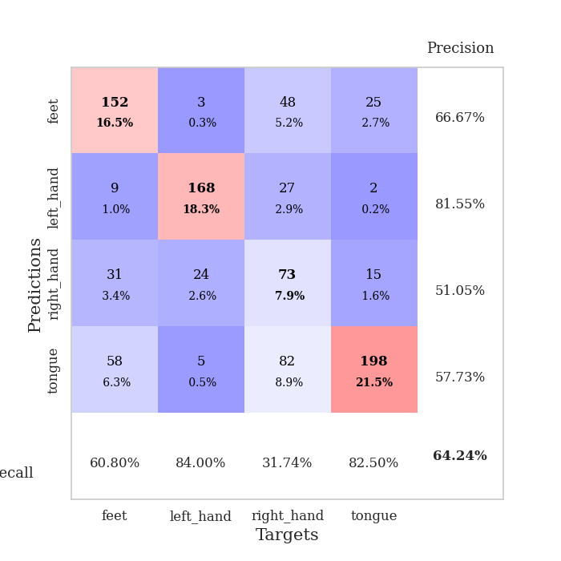
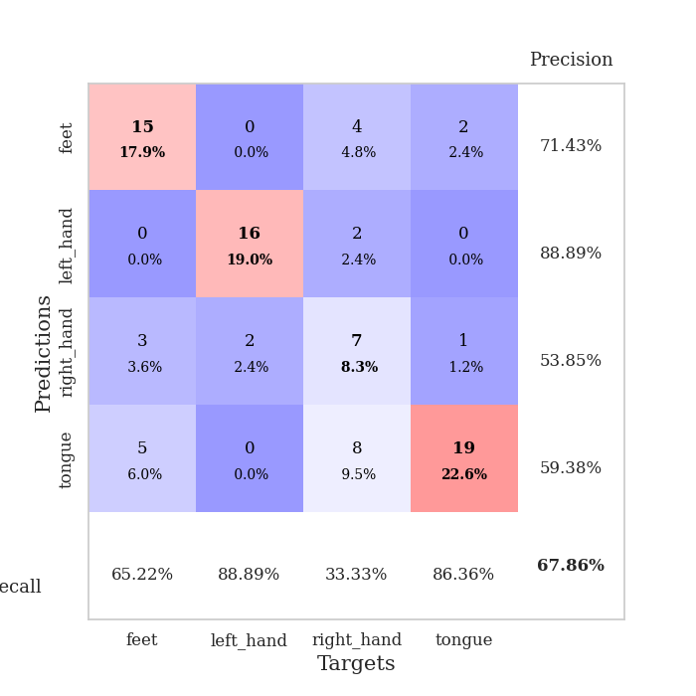
best_val_acc | best_val_los | best_test_acc
0.61956521739 | 2.1032576768 | 0.5
0.65217391304 | 2.0710139897 | 0.5775862069
0.65217391304 | 2.1773060508 | 0.56034482759
0.61956521739 | 2.2677107998 | 0.59482758621
0.67391304348 | 2.0368699146 | 0.59482758621
0.64130434783 | 2.1657079925 | 0.56034482759
0.63043478261 | 2.1857409063 | 0.52586206897
0.67391304348 | 2.0513243364 | 0.5775862069
0.63043478261 | 2.083149402 | 0.55172413793
0.63043478261 | 2.4497752708 | 0.52586206897

Mean,std Val accuracy is 0.642391304347826 , 0.02014049581114101 and mean, std test accuracy is 0.5568965517241379 , 0.031530728101943

Sheet1
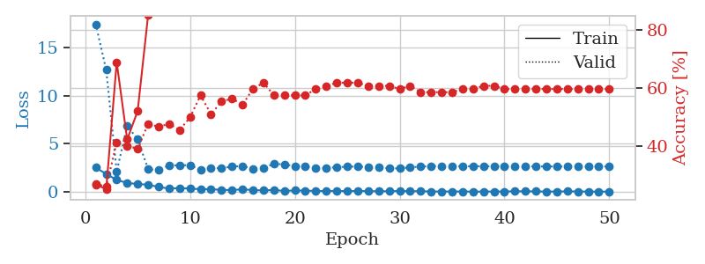
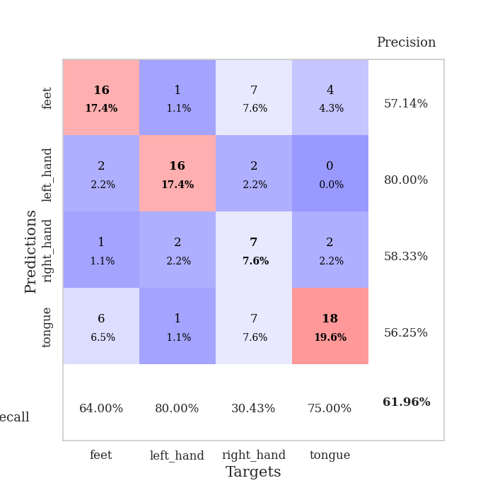
train_loss | valid_loss | train_accuracy | valid_accuracy | dur | train_misclass | valid_misclass
2.5139010668 | 17.453532302 | 0.26902173913 | 0.27173913043 | 0.038046121597 | 26.902173913 | 27.173913043
1.8523806095 | 12.68859204 | 0.2527173913 | 0.26086956522 | 0.035149097443 | 25.27173913 | 26.086956522
1.2339701176 | 2.1032576768 | 0.6902173913 | 0.41304347826 | 0.035450696945 | 69.02173913 | 41.304347826
0.9191611886 | 6.8667725273 | 0.42391304348 | 0.40217391304 | 0.036537408829 | 42.391304348 | 40.217391304
0.80979504585 | 5.4608361617 | 0.52173913043 | 0.39130434783 | 0.035621166229 | 52.173913043 | 39.130434783
0.73925629854 | 2.3654036315 | 0.85326086957 | 0.47826086957 | 0.0361764431 | 85.326086957 | 47.826086957
0.49715813994 | 2.2520369654 | 0.90760869565 | 0.46739130435 | 0.036529779434 | 90.760869565 | 46.739130435
0.33737940192 | 2.7632264884 | 0.89673913043 | 0.47826086957 | 0.036274671555 | 89.673913043 | 47.826086957
0.38602877855 | 2.7404736436 | 0.90489130435 | 0.45652173913 | 0.036099910736 | 90.489130435 | 45.652173913
0.3262583375 | 2.781371438 | 0.89945652174 | 0.5 | 0.03573846817 | 89.945652174 | 50
0.27173761725 | 2.2447476594 | 0.98097826087 | 0.57608695652 | 0.034992218018 | 98.097826087 | 57.608695652
0.25976386964 | 2.4829006195 | 0.96739130435 | 0.51086956522 | 0.036510229111 | 96.739130435 | 51.086956522
0.20173787326 | 2.4554081067 | 0.97554347826 | 0.55434782609 | 0.03579211235 | 97.554347826 | 55.434782609
0.17357321084 | 2.6168827492 | 0.98913043478 | 0.5652173913 | 0.036521911621 | 98.913043478 | 56.52173913
0.26597940922 | 2.6882460428 | 0.98641304348 | 0.54347826087 | 0.036701440811 | 98.641304348 | 54.347826087
0.16969296485 | 2.396742064 | 0.99184782609 | 0.59782608696 | 0.035548686981 | 99.184782609 | 59.782608696
0.14421000779 | 2.4806348656 | 0.99456521739 | 0.61956521739 | 0.036382675171 | 99.456521739 | 61.956521739
0.18342437297 | 2.9128999088 | 0.98641304348 | 0.57608695652 | 0.036355018616 | 98.641304348 | 57.608695652
0.088260273635 | 2.8539979354 | 0.99456521739 | 0.57608695652 | 0.036343812943 | 99.456521739 | 57.608695652
0.14026882574 | 2.6613969907 | 1 | 0.57608695652 | 0.035589694977 | 100 | 57.608695652
0.11079358831 | 2.6221231274 | 0.99456521739 | 0.57608695652 | 0.035368204117 | 99.456521739 | 57.608695652
0.0933794301 | 2.5088029322 | 0.9972826087 | 0.59782608696 | 0.036360740662 | 99.72826087 | 59.782608696
0.073738667369 | 2.4837361937 | 0.9972826087 | 0.60869565217 | 0.036317110062 | 99.72826087 | 60.869565217
0.098936888203 | 2.5479506099 | 0.9972826087 | 0.61956521739 | 0.036095142365 | 99.72826087 | 61.956521739
0.061727781221 | 2.6195607704 | 0.9972826087 | 0.61956521739 | 0.035442829132 | 99.72826087 | 61.956521739
0.093305796385 | 2.6192507847 | 0.9972826087 | 0.61956521739 | 0.0396463871 | 99.72826087 | 61.956521739
0.060118335113 | 2.5704428009 | 1 | 0.60869565217 | 0.033696651459 | 100 | 60.869565217
0.060841155797 | 2.5234008976 | 1 | 0.60869565217 | 0.0332903862 | 100 | 60.869565217
0.050703696907 | 2.4369518964 | 1 | 0.60869565217 | 0.033239841461 | 100 | 60.869565217
0.087088749837 | 2.4380246245 | 1 | 0.59782608696 | 0.032798051834 | 100 | 59.782608696
0.057606588118 | 2.5415510924 | 1 | 0.60869565217 | 0.033172130585 | 100 | 60.869565217
0.066335930675 | 2.6240877898 | 1 | 0.58695652174 | 0.032999992371 | 100 | 58.695652174
0.027098450437 | 2.66171671 | 1 | 0.58695652174 | 0.03303527832 | 100 | 58.695652174
0.036318825558 | 2.666106421 | 1 | 0.58695652174 | 0.033094882965 | 100 | 58.695652174
0.029406056181 | 2.6562414066 | 1 | 0.58695652174 | 0.033097982407 | 100 | 58.695652174
0.031381033361 | 2.6517443657 | 1 | 0.59782608696 | 0.033227205276 | 100 | 59.782608696
0.018933894578 | 2.660359082 | 1 | 0.59782608696 | 0.033110380173 | 100 | 59.782608696
0.019653375819 | 2.6534135756 | 1 | 0.60869565217 | 0.033083677292 | 100 | 60.869565217
0.030575099634 | 2.6521313605 | 1 | 0.60869565217 | 0.033149957657 | 100 | 60.869565217
0.023215594236 | 2.6322431875 | 1 | 0.59782608696 | 0.033607006073 | 100 | 59.782608696
0.056099702232 | 2.6294275056 | 1 | 0.59782608696 | 0.033056974411 | 100 | 59.782608696
0.047694962472 | 2.6313260327 | 1 | 0.59782608696 | 0.033252239227 | 100 | 59.782608696
0.040154145192 | 2.6362558448 | 1 | 0.59782608696 | 0.032923698425 | 100 | 59.782608696
0.024899155833 | 2.6334691981 | 1 | 0.59782608696 | 0.032953977585 | 100 | 59.782608696
0.026198601536 | 2.6314868823 | 1 | 0.59782608696 | 0.032856225967 | 100 | 59.782608696
0.043821543828 | 2.6338947234 | 1 | 0.59782608696 | 0.032895088196 | 100 | 59.782608696
0.037191421539 | 2.6277800228 | 1 | 0.59782608696 | 0.033138513565 | 100 | 59.782608696
0.019951859768 | 2.625211187 | 1 | 0.59782608696 | 0.032957792282 | 100 | 59.782608696
0.016481424496 | 2.6286618502 | 1 | 0.59782608696 | 0.033136844635 | 100 | 59.782608696
0.017910967115 | 2.6351137058 | 1 | 0.59782608696 | 0.033035039902 | 100 | 59.782608696

Best Val accuracy is 0.6195652173913043 and Best test accuracy is 0.5

Sheet2
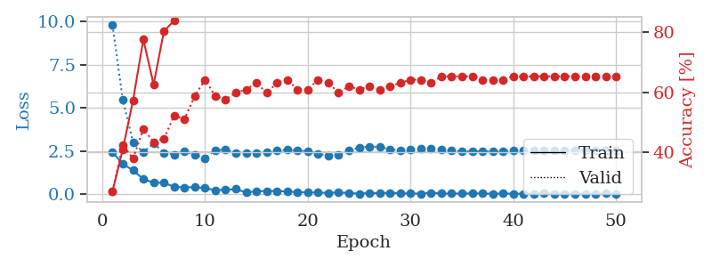
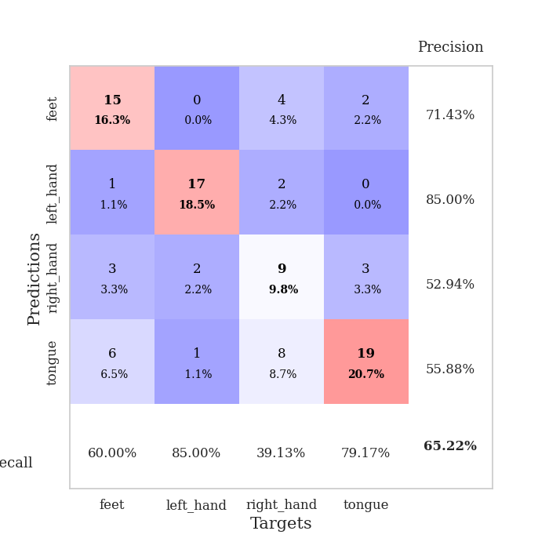
train_loss | valid_loss | train_accuracy | valid_accuracy | dur | train_misclass | valid_misclass
2.4208531857 | 9.8044754733 | 0.27173913043 | 0.27173913043 | 0.035462141037 | 27.173913043 | 27.173913043
1.7458338737 | 5.4674639287 | 0.41032608696 | 0.42391304348 | 0.033804655075 | 41.032608696 | 42.391304348
1.373212719 | 2.9974904786 | 0.57336956522 | 0.38043478261 | 0.033291339874 | 57.336956522 | 38.043478261
0.86748142242 | 2.4211723079 | 0.77445652174 | 0.47826086957 | 0.03292965889 | 77.445652174 | 47.826086957
0.65855917335 | 2.9432623283 | 0.625 | 0.4347826087 | 0.033750772476 | 62.5 | 43.47826087
0.64989600182 | 2.3971284887 | 0.80163043478 | 0.44565217391 | 0.03292965889 | 80.163043478 | 44.565217391
0.42131150961 | 2.2948477372 | 0.83695652174 | 0.52173913043 | 0.032890081406 | 83.695652174 | 52.173913043
0.38520679474 | 2.4596533568 | 0.875 | 0.51086956522 | 0.033184289932 | 87.5 | 51.086956522
0.39660013914 | 2.2938723875 | 0.95108695652 | 0.58695652174 | 0.033101797104 | 95.108695652 | 58.695652174
0.33787507415 | 2.0710139897 | 0.96467391304 | 0.64130434783 | 0.03315615654 | 96.467391304 | 64.130434783
0.22889969647 | 2.5384978419 | 0.9402173913 | 0.58695652174 | 0.034010887146 | 94.02173913 | 58.695652174
0.24255420715 | 2.5779514209 | 0.95652173913 | 0.57608695652 | 0.033592224121 | 95.652173913 | 57.608695652
0.28408881426 | 2.3897797025 | 0.98097826087 | 0.59782608696 | 0.032899618149 | 98.097826087 | 59.782608696
0.088553094864 | 2.3688040505 | 0.97010869565 | 0.60869565217 | 0.0329682827 | 97.010869565 | 60.869565217
0.15720192343 | 2.3679026002 | 0.98641304348 | 0.63043478261 | 0.032928228378 | 98.641304348 | 63.043478261
0.17830867618 | 2.4017992331 | 0.99184782609 | 0.59782608696 | 0.033018827438 | 99.184782609 | 59.782608696
0.17165850848 | 2.5245674589 | 0.99184782609 | 0.63043478261 | 0.0328977108 | 99.184782609 | 63.043478261
0.14499892741 | 2.5610030734 | 0.99456521739 | 0.64130434783 | 0.032946586609 | 99.456521739 | 64.130434783
0.10602832586 | 2.535645516 | 0.9972826087 | 0.60869565217 | 0.032824277878 | 99.72826087 | 60.869565217
0.10429028422 | 2.4805116135 | 1 | 0.60869565217 | 0.032780885696 | 100 | 60.869565217
0.078956759349 | 2.3288808076 | 0.9972826087 | 0.64130434783 | 0.032900571823 | 99.72826087 | 64.130434783
0.072765500844 | 2.2373556676 | 0.9972826087 | 0.63043478261 | 0.032853603363 | 99.72826087 | 63.043478261
0.089994568378 | 2.2925277275 | 1 | 0.59782608696 | 0.032771587372 | 100 | 59.782608696
0.064926992357 | 2.5339505258 | 1 | 0.61956521739 | 0.03272485733 | 100 | 61.956521739
0.023108775914 | 2.6858857404 | 1 | 0.60869565217 | 0.032971858978 | 100 | 60.869565217
0.062693079188 | 2.7603857828 | 1 | 0.61956521739 | 0.035927295685 | 100 | 61.956521739
0.050921940058 | 2.7263236149 | 0.9972826087 | 0.60869565217 | 0.032486915588 | 99.72826087 | 60.869565217
0.071488390863 | 2.5985355895 | 0.9972826087 | 0.61956521739 | 0.032175540924 | 99.72826087 | 61.956521739
0.044176230952 | 2.5327706026 | 1 | 0.63043478261 | 0.032112121582 | 100 | 63.043478261
0.038377306983 | 2.5889929274 | 1 | 0.64130434783 | 0.032169818878 | 100 | 64.130434783
0.023782472406 | 2.6387685175 | 1 | 0.64130434783 | 0.032388448715 | 100 | 64.130434783
0.074617493898 | 2.6187893722 | 1 | 0.63043478261 | 0.032418251038 | 100 | 63.043478261
0.027245872933 | 2.5673016569 | 1 | 0.65217391304 | 0.032503128052 | 100 | 65.217391304
0.026355825737 | 2.5173072297 | 1 | 0.65217391304 | 0.033706903458 | 100 | 65.217391304
0.028151167417 | 2.4920526587 | 1 | 0.65217391304 | 0.032597541809 | 100 | 65.217391304
0.03855070062 | 2.473611614 | 1 | 0.65217391304 | 0.032371759415 | 100 | 65.217391304
0.028681449499 | 2.4678828716 | 1 | 0.64130434783 | 0.032433271408 | 100 | 64.130434783
0.020721317176 | 2.4747057894 | 1 | 0.64130434783 | 0.032346725464 | 100 | 64.130434783
0.025755694881 | 2.4836420184 | 1 | 0.64130434783 | 0.032614946365 | 100 | 64.130434783
0.019252493884 | 2.5148026218 | 1 | 0.65217391304 | 0.033053636551 | 100 | 65.217391304
0.015692288429 | 2.527504102 | 1 | 0.65217391304 | 0.032568216324 | 100 | 65.217391304
0.014959042333 | 2.5386958019 | 1 | 0.65217391304 | 0.032489061356 | 100 | 65.217391304
0.025868752692 | 2.5471930297 | 1 | 0.65217391304 | 0.032479286194 | 100 | 65.217391304
0.020824683085 | 2.5542213295 | 1 | 0.65217391304 | 0.033116579056 | 100 | 65.217391304
0.016831812542 | 2.5478366147 | 1 | 0.65217391304 | 0.033010959625 | 100 | 65.217391304
0.018197390065 | 2.5544335531 | 1 | 0.65217391304 | 0.032547950745 | 100 | 65.217391304
0.018217471056 | 2.5492455234 | 1 | 0.65217391304 | 0.032427072525 | 100 | 65.217391304
0.016886083968 | 2.5517808873 | 1 | 0.65217391304 | 0.03244638443 | 100 | 65.217391304
0.032767519262 | 2.55434907 | 1 | 0.65217391304 | 0.03245139122 | 100 | 65.217391304
0.011603901535 | 2.5563587002 | 1 | 0.65217391304 | 0.032297134399 | 100 | 65.217391304

Best Val accuracy is 0.6521739130434783 and Best test accuracy is 0.5775862068965517

Sheet3
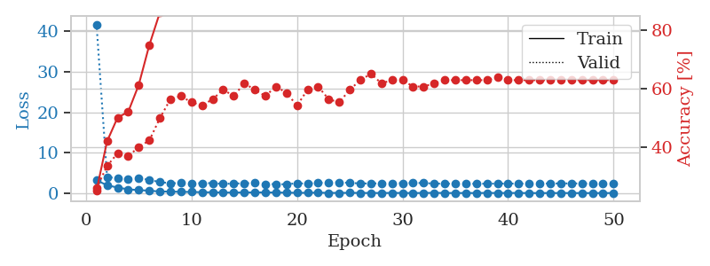
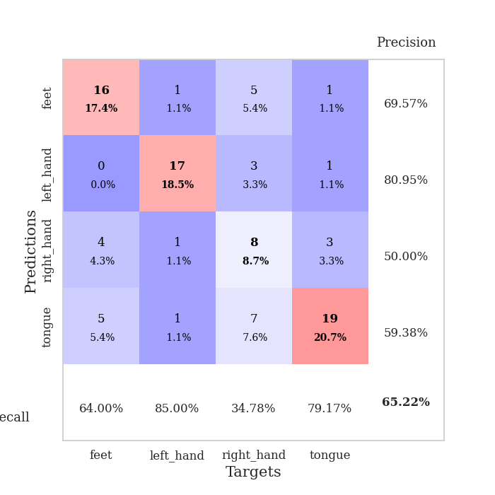
train_loss | valid_loss | train_accuracy | valid_accuracy | dur | train_misclass | valid_misclass
3.164855957 | 41.702926304 | 0.2527173913 | 0.26086956522 | 0.033650875092 | 25.27173913 | 26.086956522
1.9532495975 | 3.9805688236 | 0.42119565217 | 0.33695652174 | 0.033085107803 | 42.119565217 | 33.695652174
1.3661231518 | 3.6823157124 | 0.5027173913 | 0.38043478261 | 0.032589435577 | 50.27173913 | 38.043478261
0.94066531658 | 3.5140382414 | 0.52173913043 | 0.36956521739 | 0.032662391663 | 52.173913043 | 36.956521739
0.73950456381 | 3.7409454118 | 0.61413043478 | 0.40217391304 | 0.031689882278 | 61.413043478 | 40.217391304
0.60690037608 | 3.2602834391 | 0.75 | 0.42391304348 | 0.033015489578 | 75 | 42.391304348
0.3926859796 | 2.7363718385 | 0.86141304348 | 0.5 | 0.034809827805 | 86.141304348 | 50
0.38593841791 | 2.4198219051 | 0.88586956522 | 0.5652173913 | 0.033956289291 | 88.586956522 | 56.52173913
0.31101227403 | 2.5078207617 | 0.94565217391 | 0.57608695652 | 0.033551931381 | 94.565217391 | 57.608695652
0.28941485882 | 2.4035841278 | 0.97554347826 | 0.55434782609 | 0.033569097519 | 97.554347826 | 55.434782609
0.22022440732 | 2.4687104743 | 0.97282608696 | 0.54347826087 | 0.033519268036 | 97.282608696 | 54.347826087
0.19954063743 | 2.4645484634 | 0.98097826087 | 0.5652173913 | 0.032394886017 | 98.097826087 | 56.52173913
0.15185979754 | 2.2808589728 | 0.98369565217 | 0.59782608696 | 0.033113479614 | 98.369565217 | 59.782608696
0.13841844276 | 2.3674979417 | 0.98097826087 | 0.57608695652 | 0.034128904343 | 98.097826087 | 57.608695652
0.16679045856 | 2.4219935251 | 0.99184782609 | 0.61956521739 | 0.033863544464 | 99.184782609 | 61.956521739
0.17321459055 | 2.4870081052 | 0.98913043478 | 0.59782608696 | 0.033121824265 | 98.913043478 | 59.782608696
0.18563838899 | 2.251052079 | 0.98641304348 | 0.57608695652 | 0.032241821289 | 98.641304348 | 57.608695652
0.14230870903 | 2.219534055 | 0.9972826087 | 0.60869565217 | 0.032118082047 | 99.72826087 | 60.869565217
0.12904211059 | 2.1773060508 | 1 | 0.58695652174 | 0.032168865204 | 100 | 58.695652174
0.068738459423 | 2.4503529279 | 0.98913043478 | 0.54347826087 | 0.032285451889 | 98.913043478 | 54.347826087
0.083879852295 | 2.3250490375 | 0.99184782609 | 0.59782608696 | 0.032148361206 | 99.184782609 | 59.782608696
0.12961866409 | 2.5142134065 | 0.99456521739 | 0.60869565217 | 0.032206535339 | 99.456521739 | 60.869565217
0.050597921759 | 2.6737227544 | 1 | 0.5652173913 | 0.032336473465 | 100 | 56.52173913
0.060553075373 | 2.6858954844 | 0.9972826087 | 0.55434782609 | 0.032163858414 | 99.72826087 | 55.434782609
0.071098901331 | 2.5183873073 | 0.9972826087 | 0.59782608696 | 0.032171010971 | 99.72826087 | 59.782608696
0.050960459188 | 2.402966406 | 1 | 0.63043478261 | 0.032164096832 | 100 | 63.043478261
0.033545107488 | 2.3775288022 | 1 | 0.65217391304 | 0.033118247986 | 100 | 65.217391304
0.034999462962 | 2.4339579914 | 1 | 0.61956521739 | 0.032525062561 | 100 | 61.956521739
0.047085460275 | 2.4734835728 | 1 | 0.63043478261 | 0.032123804092 | 100 | 63.043478261
0.041305940598 | 2.4515051531 | 1 | 0.63043478261 | 0.032235860825 | 100 | 63.043478261
0.017297889758 | 2.5434921617 | 0.9972826087 | 0.60869565217 | 0.032140254974 | 99.72826087 | 60.869565217
0.04536400754 | 2.4816984819 | 1 | 0.60869565217 | 0.03239941597 | 100 | 60.869565217
0.062663874403 | 2.3644569231 | 1 | 0.61956521739 | 0.032172203064 | 100 | 61.956521739
0.037877515331 | 2.3258975174 | 1 | 0.63043478261 | 0.03223323822 | 100 | 63.043478261
0.021181341494 | 2.3320690342 | 1 | 0.63043478261 | 0.032141208649 | 100 | 63.043478261
0.040313151665 | 2.3331734305 | 1 | 0.63043478261 | 0.032146930695 | 100 | 63.043478261
0.018581709638 | 2.3052133374 | 1 | 0.63043478261 | 0.032255172729 | 100 | 63.043478261
0.054562602378 | 2.3277335996 | 1 | 0.63043478261 | 0.03219628334 | 100 | 63.043478261
0.027112450637 | 2.3506948326 | 1 | 0.64130434783 | 0.032132148743 | 100 | 64.130434783
0.04167779237 | 2.3555939716 | 1 | 0.63043478261 | 0.032234668732 | 100 | 63.043478261
0.03525393568 | 2.3503855104 | 1 | 0.63043478261 | 0.032207965851 | 100 | 63.043478261
0.019361757487 | 2.3624538028 | 1 | 0.63043478261 | 0.032124996185 | 100 | 63.043478261
0.013740789704 | 2.3747689828 | 1 | 0.63043478261 | 0.032128572464 | 100 | 63.043478261
0.025386855565 | 2.3863683162 | 1 | 0.63043478261 | 0.032149553299 | 100 | 63.043478261
0.02174288258 | 2.3956853514 | 1 | 0.63043478261 | 0.03262758255 | 100 | 63.043478261
0.024400840513 | 2.3951349777 | 1 | 0.63043478261 | 0.032194852829 | 100 | 63.043478261
0.01295959428 | 2.3967359895 | 1 | 0.63043478261 | 0.032460451126 | 100 | 63.043478261
0.014555712976 | 2.3888840053 | 1 | 0.63043478261 | 0.032192707062 | 100 | 63.043478261
0.012499625515 | 2.399799689 | 1 | 0.63043478261 | 0.032266139984 | 100 | 63.043478261
0.029272045009 | 2.4008398471 | 1 | 0.63043478261 | 0.032169818878 | 100 | 63.043478261

Best Val accuracy is 0.6521739130434783 and Best test accuracy is 0.5603448275862069

Sheet4
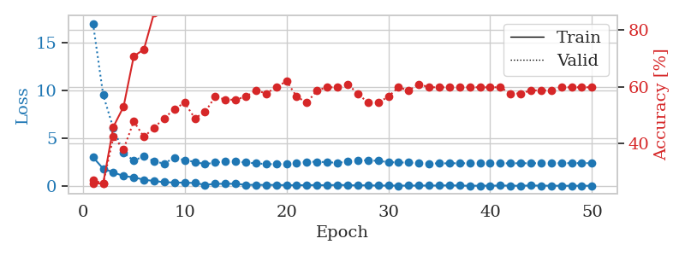
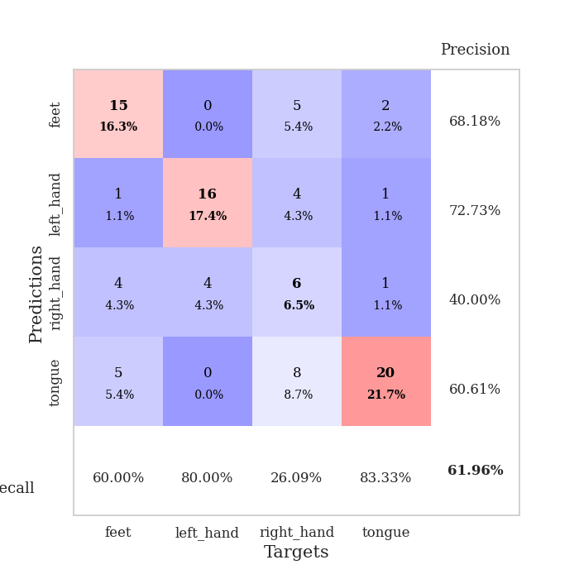
train_loss | valid_loss | train_accuracy | valid_accuracy | dur | train_misclass | valid_misclass
2.9992478609 | 16.968741044 | 0.26086956522 | 0.27173913043 | 0.034658432007 | 26.086956522 | 27.173913043
1.8041368246 | 9.4911445535 | 0.26086956522 | 0.26086956522 | 0.033948898315 | 26.086956522 | 26.086956522
1.4257207155 | 6.0130145239 | 0.45923913043 | 0.42391304348 | 0.03399348259 | 45.923913043 | 42.391304348
1.027984643 | 3.47121615 | 0.52989130435 | 0.38043478261 | 0.033238649368 | 52.989130435 | 38.043478261
0.90653068423 | 2.6409611702 | 0.70652173913 | 0.47826086957 | 0.033057928085 | 70.652173913 | 47.826086957
0.64878207445 | 3.1180446563 | 0.73097826087 | 0.42391304348 | 0.033617973328 | 73.097826087 | 42.391304348
0.51647387743 | 2.5591079152 | 0.85869565217 | 0.45652173913 | 0.034730911255 | 85.869565217 | 45.652173913
0.39574807882 | 2.3378097182 | 0.9402173913 | 0.48913043478 | 0.032963991165 | 94.02173913 | 48.913043478
0.35587083101 | 2.9690030347 | 0.89673913043 | 0.52173913043 | 0.034398555756 | 89.673913043 | 52.173913043
0.34639570415 | 2.6881216194 | 0.93206521739 | 0.54347826087 | 0.032477378845 | 93.206521739 | 54.347826087
0.3065436095 | 2.5244890503 | 0.97010869565 | 0.48913043478 | 0.031673192978 | 97.010869565 | 48.913043478
0.11660431921 | 2.2677107998 | 0.97282608696 | 0.51086956522 | 0.031323194504 | 97.282608696 | 51.086956522
0.21869588792 | 2.4541430577 | 0.96195652174 | 0.5652173913 | 0.031401872635 | 96.195652174 | 56.52173913
0.22853405029 | 2.5468552424 | 0.98097826087 | 0.55434782609 | 0.032593011856 | 98.097826087 | 55.434782609
0.22623532414 | 2.5657029359 | 0.99184782609 | 0.55434782609 | 0.031627416611 | 99.184782609 | 55.434782609
0.1212547332 | 2.4455740348 | 0.99456521739 | 0.5652173913 | 0.031679391861 | 99.456521739 | 56.52173913
0.11008602194 | 2.3642704072 | 0.99184782609 | 0.58695652174 | 0.032634973526 | 99.184782609 | 58.695652174
0.10858526155 | 2.2840971428 | 0.99456521739 | 0.57608695652 | 0.032007217407 | 99.456521739 | 57.608695652
0.10544914603 | 2.2742298064 | 1 | 0.59782608696 | 0.031614542007 | 100 | 59.782608696
0.084244447947 | 2.3159456046 | 1 | 0.61956521739 | 0.032714128494 | 100 | 61.956521739
0.079727303237 | 2.3811896158 | 0.9972826087 | 0.5652173913 | 0.032783746719 | 99.72826087 | 56.52173913
0.080970235914 | 2.525515774 | 1 | 0.54347826087 | 0.031801462173 | 100 | 54.347826087
0.099672466516 | 2.5214367017 | 1 | 0.58695652174 | 0.033076524734 | 100 | 58.695652174
0.063977823406 | 2.485625267 | 1 | 0.59782608696 | 0.032035827637 | 100 | 59.782608696
0.12085933387 | 2.4080453437 | 0.9972826087 | 0.59782608696 | 0.032760620117 | 99.72826087 | 59.782608696
0.075631555915 | 2.5433810068 | 0.9972826087 | 0.60869565217 | 0.033200740814 | 99.72826087 | 60.869565217
0.062959385663 | 2.6981009815 | 1 | 0.57608695652 | 0.032289505005 | 100 | 57.608695652
0.071310870349 | 2.6644523973 | 1 | 0.54347826087 | 0.0320789814 | 100 | 54.347826087
0.039349324256 | 2.6260634505 | 1 | 0.54347826087 | 0.032055616379 | 100 | 54.347826087
0.046306888387 | 2.489579066 | 1 | 0.5652173913 | 0.031997680664 | 100 | 56.52173913
0.031497177109 | 2.4505288705 | 1 | 0.59782608696 | 0.032012701035 | 100 | 59.782608696
0.037975160126 | 2.4437118821 | 1 | 0.58695652174 | 0.031941652298 | 100 | 58.695652174
0.042539874278 | 2.3816711799 | 1 | 0.60869565217 | 0.03196310997 | 100 | 60.869565217
0.041653531417 | 2.3495118514 | 1 | 0.59782608696 | 0.031935691833 | 100 | 59.782608696
0.045063206926 | 2.356558126 | 1 | 0.59782608696 | 0.031929016113 | 100 | 59.782608696
0.066163127124 | 2.3644702435 | 1 | 0.59782608696 | 0.032069683075 | 100 | 59.782608696
0.042684518918 | 2.375234127 | 1 | 0.59782608696 | 0.032961845398 | 100 | 59.782608696
0.015432817303 | 2.363603312 | 1 | 0.59782608696 | 0.032088041306 | 100 | 59.782608696
0.03129368322 | 2.3557881376 | 1 | 0.59782608696 | 0.03204369545 | 100 | 59.782608696
0.022301110253 | 2.3615822896 | 1 | 0.59782608696 | 0.032017469406 | 100 | 59.782608696
0.044635269791 | 2.3633566006 | 1 | 0.59782608696 | 0.03197312355 | 100 | 59.782608696
0.030273795128 | 2.3696976226 | 1 | 0.57608695652 | 0.03191280365 | 100 | 57.608695652
0.016714270785 | 2.3713909543 | 1 | 0.57608695652 | 0.031934261322 | 100 | 57.608695652
0.048093754426 | 2.3720176842 | 1 | 0.58695652174 | 0.031890869141 | 100 | 58.695652174
0.030297334306 | 2.3766822193 | 1 | 0.58695652174 | 0.031921863556 | 100 | 58.695652174
0.024305578461 | 2.381648696 | 1 | 0.58695652174 | 0.032942295074 | 100 | 58.695652174
0.021741353907 | 2.3822419021 | 1 | 0.59782608696 | 0.032050609589 | 100 | 59.782608696
0.015121384803 | 2.3826704544 | 1 | 0.59782608696 | 0.032024145126 | 100 | 59.782608696
0.020867940504 | 2.3841326133 | 1 | 0.59782608696 | 0.032180309296 | 100 | 59.782608696
0.016980457492 | 2.3860315033 | 1 | 0.59782608696 | 0.033271789551 | 100 | 59.782608696

Best Val accuracy is 0.6195652173913043 and Best test accuracy is 0.5948275862068966

Sheet5
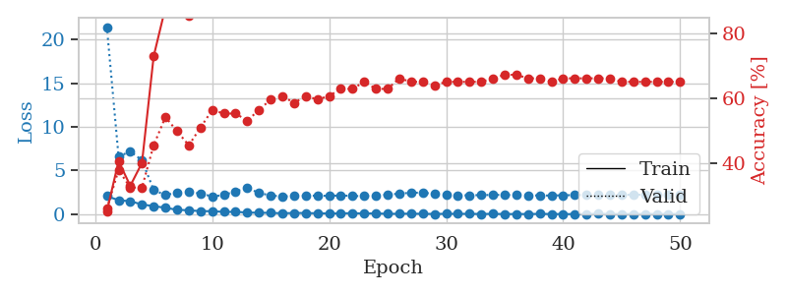
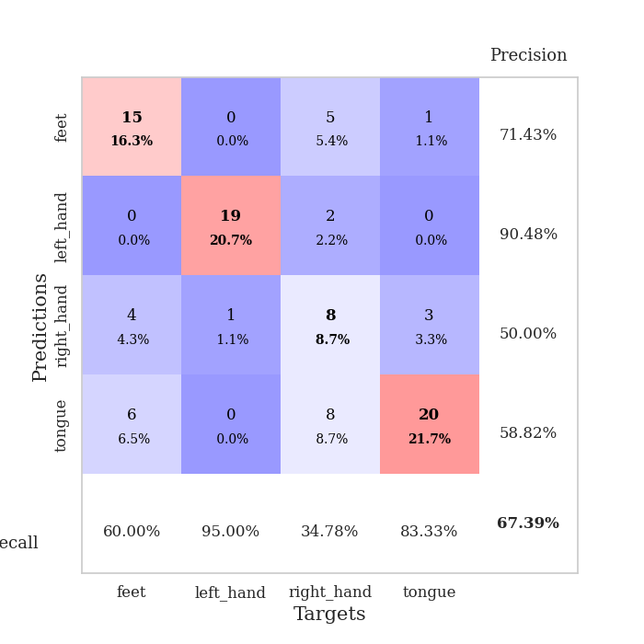
train_loss | valid_loss | train_accuracy | valid_accuracy | dur | train_misclass | valid_misclass
2.0787747622 | 21.436027776 | 0.2527173913 | 0.26086956522 | 0.034291744232 | 25.27173913 | 26.086956522
1.6092028379 | 6.5938468394 | 0.40760869565 | 0.38043478261 | 0.033466815948 | 40.760869565 | 38.043478261
1.4907631636 | 7.2038266762 | 0.33152173913 | 0.32608695652 | 0.034441232681 | 33.152173913 | 32.608695652
1.1196955562 | 6.1798223827 | 0.40217391304 | 0.32608695652 | 0.033431768417 | 40.217391304 | 32.608695652
0.9334920764 | 2.7775845631 | 0.73097826087 | 0.45652173913 | 0.033121585846 | 73.097826087 | 45.652173913
0.7403036654 | 2.1928049896 | 0.88043478261 | 0.54347826087 | 0.032968759537 | 88.043478261 | 54.347826087
0.5132216692 | 2.4821703589 | 0.8777173913 | 0.5 | 0.033437490463 | 87.77173913 | 50
0.45354355574 | 2.5388040854 | 0.85597826087 | 0.45652173913 | 0.032610654831 | 85.597826087 | 45.652173913
0.36007763743 | 2.3826248957 | 0.95380434783 | 0.51086956522 | 0.032343864441 | 95.380434783 | 51.086956522
0.35116562247 | 2.0368699146 | 0.97554347826 | 0.5652173913 | 0.032495498657 | 97.554347826 | 56.52173913
0.27254981995 | 2.2036645412 | 0.97554347826 | 0.55434782609 | 0.033704996109 | 97.554347826 | 55.434782609
0.27893902361 | 2.6264458947 | 0.96195652174 | 0.55434782609 | 0.032731294632 | 96.195652174 | 55.434782609
0.19740892351 | 2.9977094091 | 0.94293478261 | 0.53260869565 | 0.032364606857 | 94.293478261 | 53.260869565
0.17731399536 | 2.4518972791 | 0.98097826087 | 0.5652173913 | 0.032508850098 | 98.097826087 | 56.52173913
0.15832900405 | 2.1390486696 | 0.99456521739 | 0.59782608696 | 0.032341003418 | 99.456521739 | 59.782608696
0.11430502087 | 2.0520311231 | 0.98913043478 | 0.60869565217 | 0.032965183258 | 98.913043478 | 60.869565217
0.14695442617 | 2.0757953188 | 1 | 0.58695652174 | 0.03321647644 | 100 | 58.695652174
0.14142833054 | 2.1312380252 | 0.99456521739 | 0.60869565217 | 0.033088922501 | 99.456521739 | 60.869565217
0.11114924699 | 2.1278602455 | 1 | 0.59782608696 | 0.032311677933 | 100 | 59.782608696
0.094518053532 | 2.1046911841 | 1 | 0.60869565217 | 0.032385587692 | 100 | 60.869565217
0.10060119107 | 2.1568777354 | 1 | 0.63043478261 | 0.032429218292 | 100 | 63.043478261
0.13085139617 | 2.0961196008 | 0.99456521739 | 0.63043478261 | 0.033256053925 | 99.456521739 | 63.043478261
0.085177926347 | 2.0713073067 | 1 | 0.65217391304 | 0.0324010849 | 100 | 65.217391304
0.10600581765 | 2.134892557 | 1 | 0.63043478261 | 0.033420324326 | 100 | 63.043478261
0.045758904517 | 2.246868911 | 0.9972826087 | 0.63043478261 | 0.032373189926 | 99.72826087 | 63.043478261
0.063048617542 | 2.3627566151 | 1 | 0.66304347826 | 0.032305717468 | 100 | 66.304347826
0.069204830006 | 2.4669569368 | 1 | 0.65217391304 | 0.032772541046 | 100 | 65.217391304
0.051275008172 | 2.4682440136 | 1 | 0.65217391304 | 0.032381057739 | 100 | 65.217391304
0.037107752822 | 2.34290435 | 1 | 0.64130434783 | 0.032347917557 | 100 | 64.130434783
0.054724920541 | 2.2386472122 | 1 | 0.65217391304 | 0.032287359238 | 100 | 65.217391304
0.053052931279 | 2.167781156 | 1 | 0.65217391304 | 0.032395839691 | 100 | 65.217391304
0.049487011507 | 2.1735473301 | 1 | 0.65217391304 | 0.032354593277 | 100 | 65.217391304
0.035856786277 | 2.195085681 | 1 | 0.65217391304 | 0.0323741436 | 100 | 65.217391304
0.047275834531 | 2.2153198201 | 1 | 0.66304347826 | 0.032398223877 | 100 | 66.304347826
0.025134031847 | 2.2198106724 | 1 | 0.67391304348 | 0.032251596451 | 100 | 67.391304348
0.028051123209 | 2.1983900381 | 1 | 0.67391304348 | 0.033170223236 | 100 | 67.391304348
0.029186583217 | 2.1790428576 | 1 | 0.66304347826 | 0.032450675964 | 100 | 66.304347826
0.046117380913 | 2.1473906351 | 1 | 0.66304347826 | 0.032457113266 | 100 | 66.304347826
0.029028619826 | 2.1462992274 | 1 | 0.65217391304 | 0.032521009445 | 100 | 65.217391304
0.022381534707 | 2.1755341032 | 1 | 0.66304347826 | 0.032262086868 | 100 | 66.304347826
0.018066731095 | 2.1976954626 | 1 | 0.66304347826 | 0.032263755798 | 100 | 66.304347826
0.017198585998 | 2.2069821358 | 1 | 0.66304347826 | 0.032269477844 | 100 | 66.304347826
0.062629537284 | 2.211334809 | 1 | 0.66304347826 | 0.032312393188 | 100 | 66.304347826
0.020755446516 | 2.2162069238 | 1 | 0.66304347826 | 0.032447814941 | 100 | 66.304347826
0.029810326919 | 2.2247532451 | 1 | 0.65217391304 | 0.032426595688 | 100 | 65.217391304
0.020891738497 | 2.2369543158 | 1 | 0.65217391304 | 0.035044193268 | 100 | 65.217391304
0.042539877398 | 2.2312620723 | 1 | 0.65217391304 | 0.033106565475 | 100 | 65.217391304
0.027207301557 | 2.2356793466 | 1 | 0.65217391304 | 0.032866001129 | 100 | 65.217391304
0.031885962933 | 2.2386860226 | 1 | 0.65217391304 | 0.033325910568 | 100 | 65.217391304
0.022596209496 | 2.2362807937 | 1 | 0.65217391304 | 0.033096551895 | 100 | 65.217391304

Best Val accuracy is 0.6739130434782609 and Best test accuracy is 0.5948275862068966

Sheet6
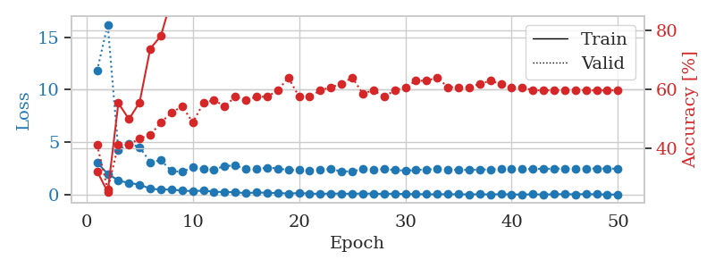
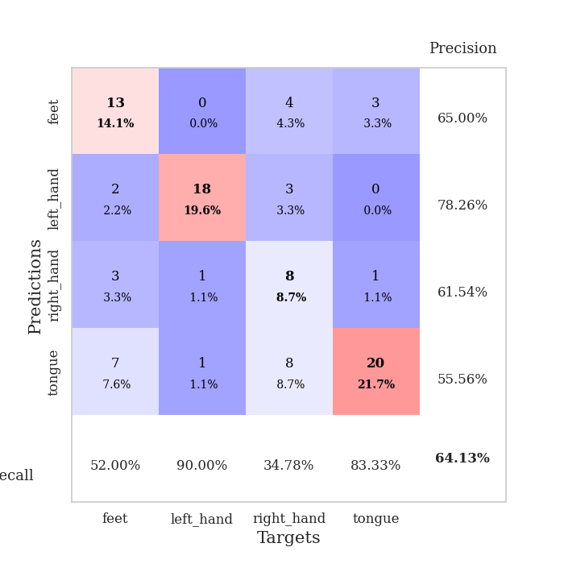
train_loss | valid_loss | train_accuracy | valid_accuracy | dur | train_misclass | valid_misclass
3.0547706604 | 11.800831712 | 0.32336956522 | 0.41304347826 | 0.034425735474 | 32.336956522 | 41.304347826
1.9908769131 | 16.200401638 | 0.2527173913 | 0.26086956522 | 0.033536434174 | 25.27173913 | 26.086956522
1.3538959265 | 4.2247126828 | 0.55434782609 | 0.41304347826 | 0.033204078674 | 55.434782609 | 41.304347826
1.111569047 | 4.8836995622 | 0.5 | 0.41304347826 | 0.03302526474 | 50 | 41.304347826
0.96988757849 | 4.5172688235 | 0.55706521739 | 0.4347826087 | 0.033490180969 | 55.706521739 | 43.47826087
0.5700529933 | 3.0985855227 | 0.73913043478 | 0.44565217391 | 0.033715963364 | 73.913043478 | 44.565217391
0.48462537527 | 3.2822480409 | 0.78260869565 | 0.48913043478 | 0.033607006073 | 78.260869565 | 48.913043478
0.49196954966 | 2.2608029635 | 0.90760869565 | 0.52173913043 | 0.033689022064 | 90.760869565 | 52.173913043
0.39012879729 | 2.1657079925 | 0.95108695652 | 0.54347826087 | 0.033570051193 | 95.108695652 | 54.347826087
0.33855015039 | 2.6185881366 | 0.93206521739 | 0.48913043478 | 0.03387928009 | 93.206521739 | 48.913043478
0.38986805677 | 2.4523768736 | 0.95380434783 | 0.55434782609 | 0.033149242401 | 95.380434783 | 55.434782609
0.28453146815 | 2.3858988907 | 0.97554347826 | 0.5652173913 | 0.033470392227 | 97.554347826 | 56.52173913
0.24396851063 | 2.7363183084 | 0.97010869565 | 0.54347826087 | 0.033719062805 | 97.010869565 | 54.347826087
0.23713546693 | 2.7684059869 | 0.96739130435 | 0.57608695652 | 0.033519029617 | 96.739130435 | 57.608695652
0.14026695192 | 2.4365164197 | 0.98641304348 | 0.5652173913 | 0.033487796783 | 98.641304348 | 56.52173913
0.21672448888 | 2.4206299263 | 0.98641304348 | 0.57608695652 | 0.033665418625 | 98.641304348 | 57.608695652
0.17427044809 | 2.5835093104 | 0.99184782609 | 0.57608695652 | 0.033852815628 | 99.184782609 | 57.608695652
0.15707611293 | 2.5038004336 | 0.97826086957 | 0.59782608696 | 0.034749269485 | 97.826086957 | 59.782608696
0.1182841152 | 2.3439975718 | 1 | 0.64130434783 | 0.033924102783 | 100 | 64.130434783
0.15215499699 | 2.3460070672 | 1 | 0.57608695652 | 0.033984661102 | 100 | 57.608695652
0.10767111629 | 2.302993111 | 0.9972826087 | 0.57608695652 | 0.033919334412 | 99.72826087 | 57.608695652
0.078058248013 | 2.3752616488 | 0.9972826087 | 0.59782608696 | 0.033843755722 | 99.72826087 | 59.782608696
0.11443486512 | 2.4389640974 | 0.99456521739 | 0.60869565217 | 0.033356428146 | 99.456521739 | 60.869565217
0.098530004919 | 2.2114656283 | 1 | 0.61956521739 | 0.032485246658 | 100 | 61.956521739
0.090513521805 | 2.228652726 | 0.9972826087 | 0.64130434783 | 0.033271789551 | 99.72826087 | 64.130434783
0.11338385567 | 2.4227463266 | 0.9972826087 | 0.58695652174 | 0.033453464508 | 99.72826087 | 58.695652174
0.1003344059 | 2.4165217876 | 0.9972826087 | 0.59782608696 | 0.032888650894 | 99.72826087 | 59.782608696
0.076379916072 | 2.4274525228 | 1 | 0.57608695652 | 0.034565448761 | 100 | 57.608695652
0.1031601714 | 2.3545503305 | 1 | 0.59782608696 | 0.033441305161 | 100 | 59.782608696
0.056152858585 | 2.287569554 | 1 | 0.60869565217 | 0.033564090729 | 100 | 60.869565217
0.064997816831 | 2.3441941323 | 1 | 0.63043478261 | 0.032068967819 | 100 | 63.043478261
0.037670240179 | 2.410359704 | 1 | 0.63043478261 | 0.032527685165 | 100 | 63.043478261
0.038907489926 | 2.4259773959 | 1 | 0.64130434783 | 0.033614397049 | 100 | 64.130434783
0.048486167938 | 2.3949724591 | 1 | 0.60869565217 | 0.033006906509 | 100 | 60.869565217
0.03862439245 | 2.3611204831 | 1 | 0.60869565217 | 0.033673524857 | 100 | 60.869565217
0.032994224317 | 2.3579164692 | 1 | 0.60869565217 | 0.033692598343 | 100 | 60.869565217
0.040037746355 | 2.3894228935 | 1 | 0.61956521739 | 0.035633325577 | 100 | 61.956521739
0.028206670657 | 2.4148068843 | 1 | 0.63043478261 | 0.033180713654 | 100 | 63.043478261
0.048788546026 | 2.4371300262 | 1 | 0.61956521739 | 0.03296661377 | 100 | 61.956521739
0.026965050586 | 2.437672501 | 1 | 0.60869565217 | 0.035778284073 | 100 | 60.869565217
0.016585945617 | 2.444790042 | 1 | 0.60869565217 | 0.032477617264 | 100 | 60.869565217
0.037419851776 | 2.4559977884 | 1 | 0.59782608696 | 0.032856702805 | 100 | 59.782608696
0.018011701107 | 2.4663404693 | 1 | 0.59782608696 | 0.03350687027 | 100 | 59.782608696
0.04173108153 | 2.4769938821 | 1 | 0.59782608696 | 0.03355050087 | 100 | 59.782608696
0.057740336284 | 2.4894232024 | 1 | 0.59782608696 | 0.033664703369 | 100 | 59.782608696
0.033863997646 | 2.4882406152 | 1 | 0.59782608696 | 0.033963918686 | 100 | 59.782608696
0.062308517098 | 2.4909880991 | 1 | 0.59782608696 | 0.032977819443 | 100 | 59.782608696
0.040126278251 | 2.4886654045 | 1 | 0.59782608696 | 0.033122301102 | 100 | 59.782608696
0.017989756819 | 2.4872249313 | 1 | 0.59782608696 | 0.032711982727 | 100 | 59.782608696
0.017694876716 | 2.4761880999 | 1 | 0.59782608696 | 0.033432722092 | 100 | 59.782608696

Best Val accuracy is 0.6413043478260869 and Best test accuracy is 0.5603448275862069

Sheet7
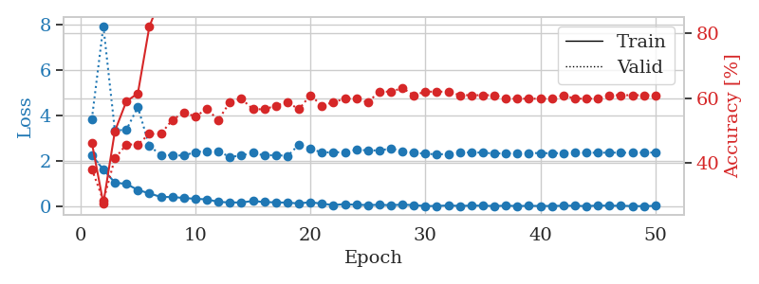
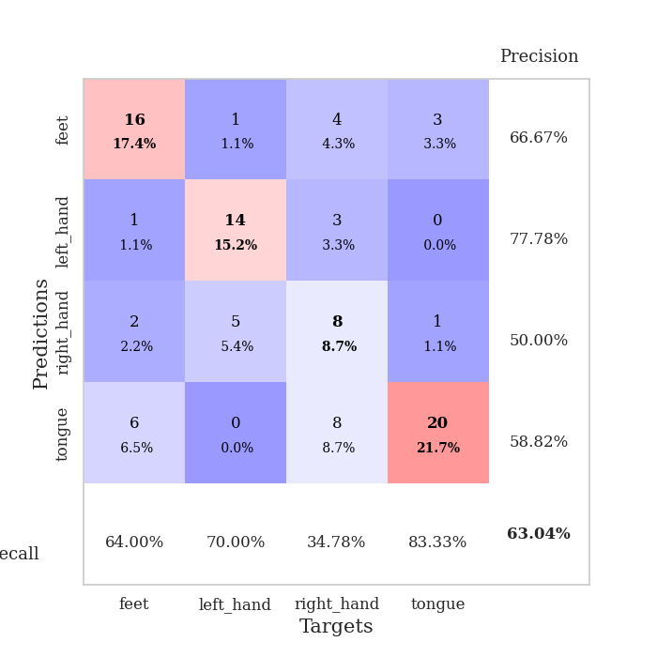
train_loss | valid_loss | train_accuracy | valid_accuracy | dur | train_misclass | valid_misclass
2.2498524904 | 3.8476754686 | 0.46195652174 | 0.38043478261 | 0.034623861313 | 46.195652174 | 38.043478261
1.6284391165 | 7.941500643 | 0.27445652174 | 0.28260869565 | 0.034009456635 | 27.445652174 | 28.260869565
1.0521964073 | 3.3479104871 | 0.4972826087 | 0.41304347826 | 0.034022092819 | 49.72826087 | 41.304347826
0.99451218843 | 3.3774576602 | 0.58967391304 | 0.45652173913 | 0.033871889114 | 58.967391304 | 45.652173913
0.73024277091 | 4.3758252911 | 0.61413043478 | 0.45652173913 | 0.033465147018 | 61.413043478 | 45.652173913
0.57827698588 | 2.6594145713 | 0.82065217391 | 0.48913043478 | 0.03510761261 | 82.065217391 | 48.913043478
0.4222211659 | 2.2764523185 | 0.91032608696 | 0.48913043478 | 0.033839941025 | 91.032608696 | 48.913043478
0.41894899905 | 2.2565337575 | 0.91032608696 | 0.53260869565 | 0.032756328583 | 91.032608696 | 53.260869565
0.37703260779 | 2.2412246414 | 0.90489130435 | 0.55434782609 | 0.033145666122 | 90.489130435 | 55.434782609
0.33943988681 | 2.3970976083 | 0.95380434783 | 0.54347826087 | 0.033678531647 | 95.380434783 | 54.347826087
0.31516717374 | 2.441930916 | 0.96739130435 | 0.5652173913 | 0.033038139343 | 96.739130435 | 56.52173913
0.20515811443 | 2.4272028674 | 0.96467391304 | 0.53260869565 | 0.034056663513 | 96.467391304 | 53.260869565
0.17933712006 | 2.1857409063 | 0.98641304348 | 0.58695652174 | 0.033904075623 | 98.641304348 | 58.695652174
0.17923188657 | 2.2416078941 | 0.99184782609 | 0.59782608696 | 0.033736944199 | 99.184782609 | 59.782608696
0.24388727844 | 2.3746755123 | 0.99184782609 | 0.5652173913 | 0.034053325653 | 99.184782609 | 56.52173913
0.19560126364 | 2.2379943184 | 0.98097826087 | 0.5652173913 | 0.032943725586 | 98.097826087 | 56.52173913
0.18466050327 | 2.2725986968 | 0.97282608696 | 0.57608695652 | 0.032723665237 | 97.282608696 | 57.608695652
0.17215913832 | 2.2193727182 | 0.9972826087 | 0.58695652174 | 0.032848358154 | 99.72826087 | 58.695652174
0.13630874902 | 2.7226957342 | 0.98097826087 | 0.5652173913 | 0.032921791077 | 98.097826087 | 56.52173913
0.19280152768 | 2.5558548181 | 0.98913043478 | 0.60869565217 | 0.032821416855 | 98.913043478 | 60.869565217
0.12293824255 | 2.3692241544 | 0.9972826087 | 0.57608695652 | 0.033165693283 | 99.72826087 | 57.608695652
0.068597408757 | 2.3972296404 | 0.9972826087 | 0.58695652174 | 0.033486604691 | 99.72826087 | 58.695652174
0.10691487119 | 2.3757215272 | 1 | 0.59782608696 | 0.033911466599 | 100 | 59.782608696
0.074999411404 | 2.4955271016 | 1 | 0.59782608696 | 0.032851219177 | 100 | 59.782608696
0.069172557071 | 2.4720615408 | 1 | 0.58695652174 | 0.032712221146 | 100 | 58.695652174
0.073924114369 | 2.46674264 | 1 | 0.61956521739 | 0.032870054245 | 100 | 61.956521739
0.061484548822 | 2.5547914712 | 0.9972826087 | 0.61956521739 | 0.034331083298 | 99.72826087 | 61.956521739
0.083579082042 | 2.4209606233 | 1 | 0.63043478261 | 0.033638477325 | 100 | 63.043478261
0.062607588992 | 2.3698015731 | 1 | 0.60869565217 | 0.03308057785 | 100 | 60.869565217
0.024166907556 | 2.3222161272 | 1 | 0.61956521739 | 0.032871484756 | 100 | 61.956521739
0.024593916349 | 2.2962439475 | 1 | 0.61956521739 | 0.032854318619 | 100 | 61.956521739
0.049701831862 | 2.3112611563 | 1 | 0.61956521739 | 0.033047199249 | 100 | 61.956521739
0.027207661979 | 2.3636390748 | 1 | 0.60869565217 | 0.03283905983 | 100 | 60.869565217
0.042069427297 | 2.3886849051 | 1 | 0.60869565217 | 0.032901525497 | 100 | 60.869565217
0.040485591441 | 2.3670009012 | 1 | 0.60869565217 | 0.032916784286 | 100 | 60.869565217
0.021673632413 | 2.3367243228 | 1 | 0.60869565217 | 0.032856464386 | 100 | 60.869565217
0.039713701606 | 2.3380386415 | 1 | 0.59782608696 | 0.032861948013 | 100 | 59.782608696
0.023964473978 | 2.3461012633 | 1 | 0.59782608696 | 0.032796859741 | 100 | 59.782608696
0.032395078801 | 2.3522624659 | 1 | 0.59782608696 | 0.032833814621 | 100 | 59.782608696
0.024568634108 | 2.3529292604 | 1 | 0.59782608696 | 0.032909631729 | 100 | 59.782608696
0.026501343213 | 2.3460805831 | 1 | 0.59782608696 | 0.032864093781 | 100 | 59.782608696
0.035875736549 | 2.3531423963 | 1 | 0.60869565217 | 0.032820463181 | 100 | 60.869565217
0.037386953458 | 2.3628312919 | 1 | 0.59782608696 | 0.032802581787 | 100 | 59.782608696
0.017852789629 | 2.3681235106 | 1 | 0.59782608696 | 0.032903432846 | 100 | 59.782608696
0.045568950474 | 2.3685921897 | 1 | 0.59782608696 | 0.032764196396 | 100 | 59.782608696
0.037672347389 | 2.3719710163 | 1 | 0.60869565217 | 0.032768726349 | 100 | 60.869565217
0.035396331921 | 2.3698099074 | 1 | 0.60869565217 | 0.032777309418 | 100 | 60.869565217
0.022079462744 | 2.3677223765 | 1 | 0.60869565217 | 0.032793283463 | 100 | 60.869565217
0.01815734366 | 2.3752960848 | 1 | 0.60869565217 | 0.032933235168 | 100 | 60.869565217
0.03161961399 | 2.3748230934 | 1 | 0.60869565217 | 0.032850980759 | 100 | 60.869565217

Best Val accuracy is 0.6304347826086957 and Best test accuracy is 0.5258620689655172

Sheet8
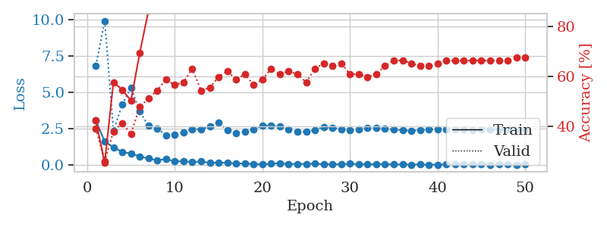
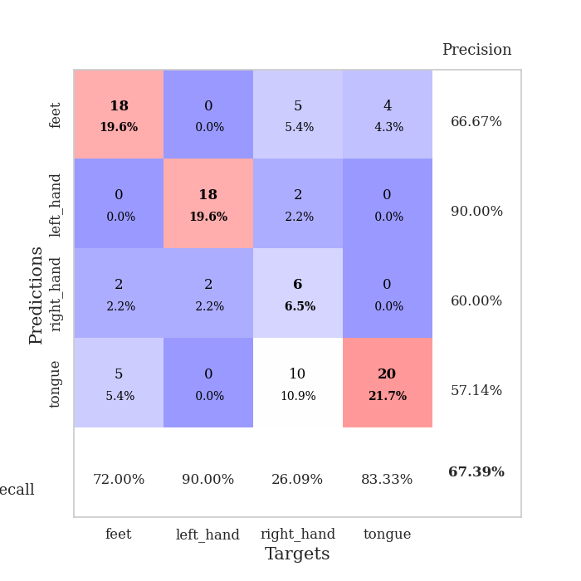
train_loss | valid_loss | train_accuracy | valid_accuracy | dur | train_misclass | valid_misclass
3.0609093666 | 6.8566053432 | 0.42391304348 | 0.39130434783 | 0.034743785858 | 42.391304348 | 39.130434783
1.617544651 | 9.9387199982 | 0.25543478261 | 0.26086956522 | 0.033976793289 | 25.543478261 | 26.086956522
1.2242273331 | 2.3533915955 | 0.57608695652 | 0.38043478261 | 0.032285451889 | 57.608695652 | 38.043478261
0.88927652836 | 4.1599805977 | 0.54619565217 | 0.41304347826 | 0.033765554428 | 54.619565217 | 41.304347826
0.78988273144 | 5.343739209 | 0.5027173913 | 0.36956521739 | 0.034038305283 | 50.27173913 | 36.956521739
0.58282022476 | 3.6844979162 | 0.69293478261 | 0.47826086957 | 0.034472227097 | 69.293478261 | 47.826086957
0.44719750583 | 2.6924367677 | 0.86141304348 | 0.51086956522 | 0.034114837646 | 86.141304348 | 51.086956522
0.31650225818 | 2.5233896971 | 0.91576086957 | 0.54347826087 | 0.03410077095 | 91.576086957 | 54.347826087
0.41070448756 | 2.0513243364 | 0.96739130435 | 0.58695652174 | 0.033789873123 | 96.739130435 | 58.695652174
0.24809283018 | 2.0894856971 | 0.94293478261 | 0.5652173913 | 0.033603191376 | 94.293478261 | 56.52173913
0.25032732189 | 2.2534507513 | 0.97554347826 | 0.57608695652 | 0.034253120422 | 97.554347826 | 57.608695652
0.20219463259 | 2.4731811648 | 0.97826086957 | 0.63043478261 | 0.033561944962 | 97.826086957 | 63.043478261
0.23882971406 | 2.4583447601 | 0.97010869565 | 0.54347826087 | 0.034012556076 | 97.010869565 | 54.347826087
0.1372655794 | 2.6518579877 | 0.97554347826 | 0.55434782609 | 0.033356904984 | 97.554347826 | 55.434782609
0.16657875478 | 2.9305090697 | 0.95652173913 | 0.59782608696 | 0.032980680466 | 95.652173913 | 59.782608696
0.1536898911 | 2.3945290731 | 0.98097826087 | 0.61956521739 | 0.03306221962 | 98.097826087 | 61.956521739
0.086853650212 | 2.1979179486 | 0.9972826087 | 0.58695652174 | 0.033005714417 | 99.72826087 | 58.695652174
0.11262158304 | 2.3124236335 | 0.9972826087 | 0.60869565217 | 0.033081293106 | 99.72826087 | 60.869565217
0.059017755464 | 2.4492921415 | 0.99184782609 | 0.5652173913 | 0.033614397049 | 99.184782609 | 56.52173913
0.051023145765 | 2.7094822345 | 0.99456521739 | 0.58695652174 | 0.033781290054 | 99.456521739 | 58.695652174
0.082925037295 | 2.7157884992 | 0.9972826087 | 0.63043478261 | 0.033402919769 | 99.72826087 | 63.043478261
0.11969830915 | 2.6623501156 | 1 | 0.60869565217 | 0.033042907715 | 100 | 60.869565217
0.070551721007 | 2.4710550827 | 1 | 0.61956521739 | 0.033042907715 | 100 | 61.956521739
0.068929349445 | 2.3049638375 | 1 | 0.60869565217 | 0.03306055069 | 100 | 60.869565217
0.073055971041 | 2.306155267 | 0.9972826087 | 0.57608695652 | 0.033694505692 | 99.72826087 | 57.608695652
0.097993609309 | 2.4107660833 | 0.9972826087 | 0.63043478261 | 0.034218788147 | 99.72826087 | 63.043478261
0.047910977155 | 2.6175450968 | 1 | 0.65217391304 | 0.033423662186 | 100 | 65.217391304
0.047140677273 | 2.5766716107 | 1 | 0.64130434783 | 0.033715486526 | 100 | 64.130434783
0.042555181123 | 2.444621563 | 1 | 0.65217391304 | 0.032726287842 | 100 | 65.217391304
0.083488514274 | 2.4238221645 | 1 | 0.60869565217 | 0.032929420471 | 100 | 60.869565217
0.056182683259 | 2.4745920741 | 1 | 0.60869565217 | 0.033468723297 | 100 | 60.869565217
0.035088662291 | 2.5325159819 | 1 | 0.59782608696 | 0.032654047012 | 100 | 59.782608696
0.063028080016 | 2.5744034 | 1 | 0.60869565217 | 0.03401684761 | 100 | 60.869565217
0.054820713028 | 2.4891076814 | 1 | 0.64130434783 | 0.033336162567 | 100 | 64.130434783
0.026857062802 | 2.4451013648 | 1 | 0.66304347826 | 0.033272743225 | 100 | 66.304347826
0.036872778274 | 2.3875176907 | 1 | 0.66304347826 | 0.034205675125 | 100 | 66.304347826
0.023373974208 | 2.3679162523 | 1 | 0.65217391304 | 0.033081054688 | 100 | 65.217391304
0.034766436368 | 2.3952336 | 1 | 0.64130434783 | 0.03298330307 | 100 | 64.130434783
0.020588923525 | 2.434799101 | 1 | 0.64130434783 | 0.033107757568 | 100 | 64.130434783
0.021500713285 | 2.4721773915 | 1 | 0.65217391304 | 0.033162355423 | 100 | 65.217391304
0.041418039799 | 2.4770619973 | 1 | 0.66304347826 | 0.033692598343 | 100 | 66.304347826
0.025750829093 | 2.4517254311 | 1 | 0.66304347826 | 0.033200263977 | 100 | 66.304347826
0.025912865996 | 2.4353207298 | 1 | 0.66304347826 | 0.033592700958 | 100 | 66.304347826
0.043364678696 | 2.4198981264 | 1 | 0.66304347826 | 0.034267663956 | 100 | 66.304347826
0.034460226353 | 2.4303969197 | 1 | 0.66304347826 | 0.033896207809 | 100 | 66.304347826
0.018494740315 | 2.4385456521 | 1 | 0.66304347826 | 0.033640384674 | 100 | 66.304347826
0.029289546236 | 2.440744597 | 1 | 0.66304347826 | 0.033227682114 | 100 | 66.304347826
0.030236311909 | 2.4392600681 | 1 | 0.66304347826 | 0.033122777939 | 100 | 66.304347826
0.013177884091 | 2.4469100289 | 1 | 0.67391304348 | 0.033733844757 | 100 | 67.391304348
0.0522770904 | 2.4473535807 | 1 | 0.67391304348 | 0.034254074097 | 100 | 67.391304348

Best Val accuracy is 0.6739130434782609 and Best test accuracy is 0.5775862068965517

Sheet9
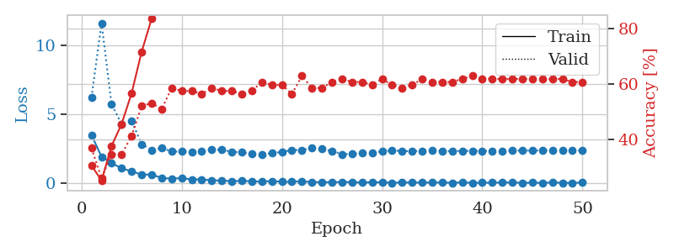
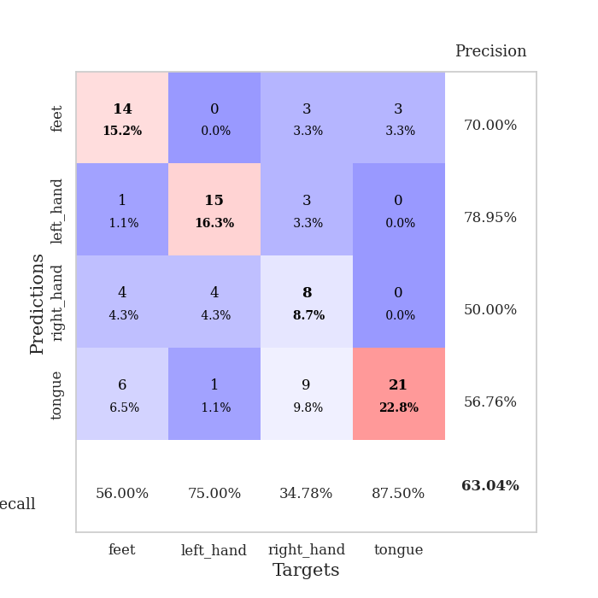
train_loss | valid_loss | train_accuracy | valid_accuracy | dur | train_misclass | valid_misclass
3.499988699 | 6.2449601422 | 0.30706521739 | 0.36956521739 | 0.034706354141 | 30.706521739 | 36.956521739
1.9111495495 | 11.640648883 | 0.2527173913 | 0.26086956522 | 0.033850908279 | 25.27173913 | 26.086956522
1.4635020018 | 5.7293526608 | 0.3777173913 | 0.34782608696 | 0.033304929733 | 37.77173913 | 34.782608696
1.0695061564 | 4.3069691658 | 0.45652173913 | 0.34782608696 | 0.033071041107 | 45.652173913 | 34.782608696
0.86324448586 | 4.5190413309 | 0.56793478261 | 0.41304347826 | 0.033130645752 | 56.793478261 | 41.304347826
0.61675091982 | 2.8398217948 | 0.71739130435 | 0.52173913043 | 0.033815383911 | 71.739130435 | 52.173913043
0.6227260232 | 2.411646532 | 0.83695652174 | 0.53260869565 | 0.033935785294 | 83.695652174 | 53.260869565
0.37388868332 | 2.5573757213 | 0.88586956522 | 0.51086956522 | 0.033903598785 | 88.586956522 | 51.086956522
0.32707682252 | 2.2958112696 | 0.91576086957 | 0.58695652174 | 0.033824682236 | 91.576086957 | 58.695652174
0.36306766868 | 2.2903365156 | 0.95652173913 | 0.57608695652 | 0.033262491226 | 95.652173913 | 57.608695652
0.27119780481 | 2.277232025 | 0.96467391304 | 0.57608695652 | 0.03317117691 | 96.467391304 | 57.608695652
0.27152758837 | 2.3063653345 | 0.97010869565 | 0.5652173913 | 0.032861232758 | 97.010869565 | 56.52173913
0.1989506036 | 2.4318827961 | 0.98097826087 | 0.58695652174 | 0.032871723175 | 98.097826087 | 58.695652174
0.18238868713 | 2.4327164629 | 0.99184782609 | 0.57608695652 | 0.032995223999 | 99.184782609 | 57.608695652
0.14401601255 | 2.2685770677 | 0.98097826087 | 0.57608695652 | 0.032950401306 | 98.097826087 | 57.608695652
0.15678519085 | 2.2391950255 | 0.99456521739 | 0.5652173913 | 0.03290772438 | 99.456521739 | 56.52173913
0.14026262909 | 2.1194384616 | 1 | 0.57608695652 | 0.032838821411 | 100 | 57.608695652
0.10761462003 | 2.083149402 | 0.9972826087 | 0.60869565217 | 0.032938957214 | 99.72826087 | 60.869565217
0.14991119131 | 2.17815621 | 1 | 0.59782608696 | 0.033726453781 | 100 | 59.782608696
0.094326262176 | 2.2704698521 | 0.9972826087 | 0.59782608696 | 0.0328540802 | 99.72826087 | 59.782608696
0.097455254942 | 2.4049623013 | 0.9972826087 | 0.5652173913 | 0.032888174057 | 99.72826087 | 56.52173913
0.14339699149 | 2.4077187725 | 0.9972826087 | 0.63043478261 | 0.033180475235 | 99.72826087 | 63.043478261
0.070288506895 | 2.5432361416 | 0.9972826087 | 0.58695652174 | 0.033705711365 | 99.72826087 | 58.695652174
0.075158144161 | 2.4826011139 | 0.9972826087 | 0.58695652174 | 0.033426046371 | 99.72826087 | 58.695652174
0.063591522723 | 2.334229998 | 0.9972826087 | 0.60869565217 | 0.03297328949 | 99.72826087 | 60.869565217
0.087623446435 | 2.1052865671 | 1 | 0.61956521739 | 0.032792329788 | 100 | 61.956521739
0.070146904141 | 2.126210109 | 1 | 0.60869565217 | 0.033447027206 | 100 | 60.869565217
0.037503384054 | 2.16839469 | 1 | 0.60869565217 | 0.032850503922 | 100 | 60.869565217
0.061358435825 | 2.1937907053 | 1 | 0.59782608696 | 0.032995462418 | 100 | 59.782608696
0.05961541282 | 2.3156721488 | 1 | 0.61956521739 | 0.032934427261 | 100 | 61.956521739
0.025651070476 | 2.3717555274 | 1 | 0.59782608696 | 0.033368825912 | 100 | 59.782608696
0.047887550667 | 2.3371704558 | 1 | 0.58695652174 | 0.033526182175 | 100 | 58.695652174
0.039144946262 | 2.3200180842 | 1 | 0.59782608696 | 0.033158540726 | 100 | 59.782608696
0.037381293997 | 2.3434850133 | 1 | 0.61956521739 | 0.032990932465 | 100 | 61.956521739
0.040288623981 | 2.3528842822 | 1 | 0.60869565217 | 0.03293800354 | 100 | 60.869565217
0.045326079428 | 2.3344085735 | 1 | 0.60869565217 | 0.033352851868 | 100 | 60.869565217
0.024536943249 | 2.3304975551 | 1 | 0.60869565217 | 0.033106327057 | 100 | 60.869565217
0.048777181655 | 2.3424568487 | 1 | 0.61956521739 | 0.033146381378 | 100 | 61.956521739
0.018480754644 | 2.3509820752 | 1 | 0.63043478261 | 0.032999515533 | 100 | 63.043478261
0.029913849756 | 2.3442344873 | 1 | 0.61956521739 | 0.033922433853 | 100 | 61.956521739
0.031362183858 | 2.3373571271 | 1 | 0.61956521739 | 0.033262491226 | 100 | 61.956521739
0.046201044694 | 2.3357115725 | 1 | 0.61956521739 | 0.032957315445 | 100 | 61.956521739
0.042066426575 | 2.359106012 | 1 | 0.61956521739 | 0.033279418945 | 100 | 61.956521739
0.024760475941 | 2.369153085 | 1 | 0.61956521739 | 0.032956361771 | 100 | 61.956521739
0.029330949113 | 2.3681943417 | 1 | 0.61956521739 | 0.032911539078 | 100 | 61.956521739
0.014317579567 | 2.3801856767 | 1 | 0.61956521739 | 0.032906532288 | 100 | 61.956521739
0.046718150377 | 2.3782345938 | 1 | 0.61956521739 | 0.032855510712 | 100 | 61.956521739
0.022074024566 | 2.3817599856 | 1 | 0.61956521739 | 0.032937049866 | 100 | 61.956521739
0.022027527634 | 2.3844289469 | 1 | 0.60869565217 | 0.032817840576 | 100 | 60.869565217
0.037358064856 | 2.3815179286 | 1 | 0.60869565217 | 0.03281378746 | 100 | 60.869565217

Best Val accuracy is 0.6304347826086957 and Best test accuracy is 0.5517241379310345

Sheet10
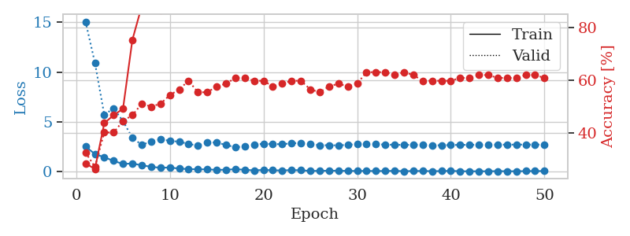
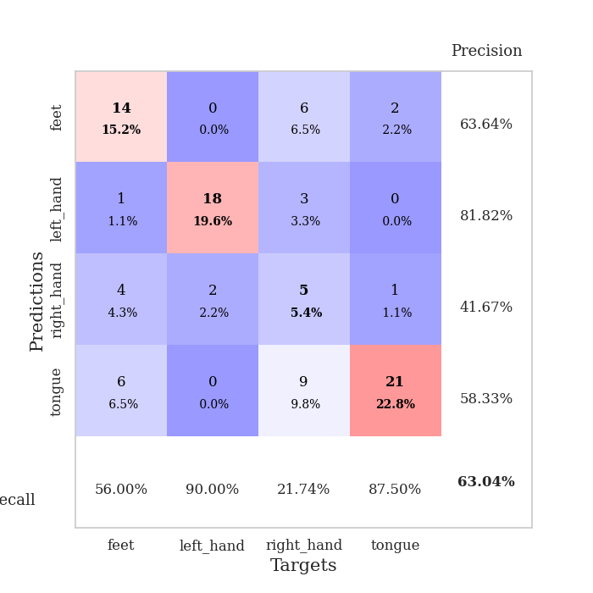
train_loss | valid_loss | train_accuracy | valid_accuracy | dur | train_misclass | valid_misclass
2.4992613792 | 15.076247879 | 0.28532608696 | 0.32608695652 | 0.035031080246 | 28.532608696 | 32.608695652
1.7479118586 | 10.930848578 | 0.26358695652 | 0.27173913043 | 0.033888578415 | 26.358695652 | 27.173913043
1.4230104208 | 5.7073964658 | 0.4375 | 0.40217391304 | 0.033562421799 | 43.75 | 40.217391304
1.0618994594 | 6.3449040496 | 0.46739130435 | 0.40217391304 | 0.0338306427 | 46.739130435 | 40.217391304
0.74471415281 | 5.0611174418 | 0.49184782609 | 0.44565217391 | 0.032610654831 | 49.184782609 | 44.565217391
0.80595441461 | 3.3772295558 | 0.7527173913 | 0.46739130435 | 0.033914089203 | 75.27173913 | 46.739130435
0.60734182596 | 2.6720676111 | 0.88043478261 | 0.51086956522 | 0.033765792847 | 88.043478261 | 51.086956522
0.47429079413 | 3.0157079282 | 0.8722826087 | 0.5 | 0.034239768982 | 87.22826087 | 50
0.35819225311 | 3.2392031524 | 0.86413043478 | 0.51086956522 | 0.032858133316 | 86.413043478 | 51.086956522
0.40436674953 | 3.0763266709 | 0.91847826087 | 0.54347826087 | 0.032545804977 | 91.847826087 | 54.347826087
0.27953078449 | 2.9931435585 | 0.96195652174 | 0.5652173913 | 0.033788919449 | 96.195652174 | 56.52173913
0.24078620523 | 2.7638505956 | 0.95380434783 | 0.59782608696 | 0.033621788025 | 95.380434783 | 59.782608696
0.19996682853 | 2.5991352848 | 0.97554347826 | 0.55434782609 | 0.033688306808 | 97.554347826 | 55.434782609
0.21299518347 | 2.9109523711 | 0.98369565217 | 0.55434782609 | 0.033395528793 | 98.369565217 | 55.434782609
0.14890253246 | 2.9144732952 | 0.97010869565 | 0.57608695652 | 0.032970428467 | 97.010869565 | 57.608695652
0.17393392771 | 2.6524238483 | 0.98641304348 | 0.58695652174 | 0.032583713531 | 98.641304348 | 58.695652174
0.21629673541 | 2.4497752708 | 0.98641304348 | 0.60869565217 | 0.033063173294 | 98.641304348 | 60.869565217
0.16731204093 | 2.4963636295 | 0.99184782609 | 0.60869565217 | 0.033336162567 | 99.184782609 | 60.869565217
0.10148151666 | 2.686767744 | 0.9972826087 | 0.59782608696 | 0.032623767853 | 99.72826087 | 59.782608696
0.15056860745 | 2.7885268356 | 0.9972826087 | 0.59782608696 | 0.032517671585 | 99.72826087 | 59.782608696
0.11037333682 | 2.7540299996 | 1 | 0.57608695652 | 0.032665729523 | 100 | 57.608695652
0.09869723767 | 2.7342665817 | 1 | 0.58695652174 | 0.032612800598 | 100 | 58.695652174
0.13368766215 | 2.8374325296 | 0.9972826087 | 0.59782608696 | 0.03250670433 | 99.72826087 | 59.782608696
0.11448527575 | 2.8611975131 | 0.98641304348 | 0.59782608696 | 0.032559156418 | 98.641304348 | 59.782608696
0.052158183604 | 2.7284581039 | 0.9972826087 | 0.5652173913 | 0.032540798187 | 99.72826087 | 56.52173913
0.055412453413 | 2.6434279939 | 0.9972826087 | 0.55434782609 | 0.032415628433 | 99.72826087 | 55.434782609
0.075564246252 | 2.6350437869 | 1 | 0.57608695652 | 0.032400608063 | 100 | 57.608695652
0.068143893406 | 2.6252970695 | 1 | 0.58695652174 | 0.032464504242 | 100 | 58.695652174
0.051382924616 | 2.6740778736 | 1 | 0.57608695652 | 0.032494306564 | 100 | 57.608695652
0.045417144708 | 2.7456143628 | 1 | 0.58695652174 | 0.032511472702 | 100 | 58.695652174
0.047544304281 | 2.7804971674 | 1 | 0.63043478261 | 0.03254199028 | 100 | 63.043478261
0.040839953907 | 2.7522975777 | 1 | 0.63043478261 | 0.033732414246 | 100 | 63.043478261
0.040197324753 | 2.6863836931 | 1 | 0.63043478261 | 0.032581806183 | 100 | 63.043478261
0.05650596749 | 2.6880788699 | 1 | 0.61956521739 | 0.032850503922 | 100 | 61.956521739
0.021580767166 | 2.6638764817 | 1 | 0.63043478261 | 0.032629489899 | 100 | 63.043478261
0.043841090798 | 2.6834411932 | 1 | 0.61956521739 | 0.032535076141 | 100 | 61.956521739
0.040078019165 | 2.651340184 | 1 | 0.59782608696 | 0.032531499863 | 100 | 59.782608696
0.027506412007 | 2.6274206638 | 1 | 0.59782608696 | 0.032500982285 | 100 | 59.782608696
0.031704730168 | 2.6357130175 | 1 | 0.59782608696 | 0.032511234283 | 100 | 59.782608696
0.060109802708 | 2.6593799384 | 1 | 0.59782608696 | 0.032558917999 | 100 | 59.782608696
0.016819663532 | 2.6674726528 | 1 | 0.60869565217 | 0.032518625259 | 100 | 60.869565217
0.016505616531 | 2.6774669005 | 1 | 0.60869565217 | 0.032456636429 | 100 | 60.869565217
0.011914562201 | 2.673619799 | 1 | 0.61956521739 | 0.032484531403 | 100 | 61.956521739
0.020741233788 | 2.681654899 | 1 | 0.61956521739 | 0.032462358475 | 100 | 61.956521739
0.024781629257 | 2.6860908736 | 1 | 0.60869565217 | 0.032462596893 | 100 | 60.869565217
0.021998377517 | 2.6982107681 | 1 | 0.60869565217 | 0.033057928085 | 100 | 60.869565217
0.014682039712 | 2.6958717885 | 1 | 0.60869565217 | 0.032585382462 | 100 | 60.869565217
0.032271222863 | 2.7025144515 | 1 | 0.61956521739 | 0.032549619675 | 100 | 61.956521739
0.034870535135 | 2.6987391658 | 1 | 0.61956521739 | 0.034485340118 | 100 | 61.956521739
0.040057659196 | 2.6944018032 | 1 | 0.60869565217 | 0.03352856636 | 100 | 60.869565217

Best Val accuracy is 0.6304347826086957 and Best test accuracy is 0.5258620689655172

