Sheet
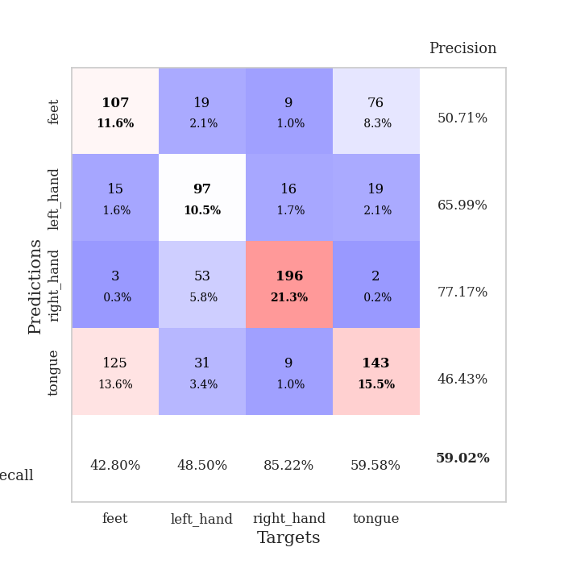
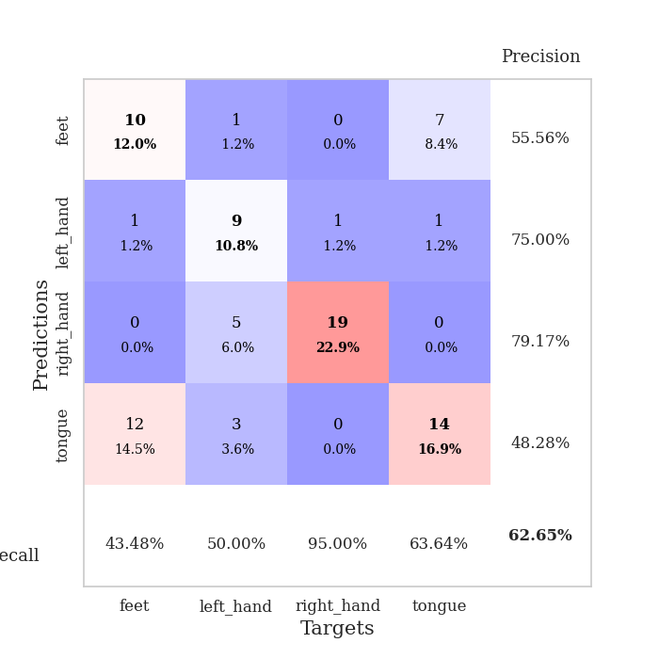
best_val_acc | best_val_los | best_test_acc
0.5652173913 | 1.8023888598 | 0.59482758621
0.58695652174 | 1.6944880304 | 0.5775862069
0.58695652174 | 1.4061144953 | 0.56034482759
0.57608695652 | 1.7268378942 | 0.50862068966
0.60869565217 | 1.5024749144 | 0.58620689655
0.61956521739 | 1.4497615825 | 0.58620689655
0.58695652174 | 1.5572436581 | 0.52586206897
0.61956521739 | 1.5730575945 | 0.5
0.55434782609 | 1.5833507388 | 0.58620689655
0.59782608696 | 1.4978229222 | 0.58620689655

Mean,std Val accuracy is 0.5902173913043478 , 0.021769302733043186 and mean, std test accuracy is 0.5612068965517241 , 0.03599417533361319

Sheet1
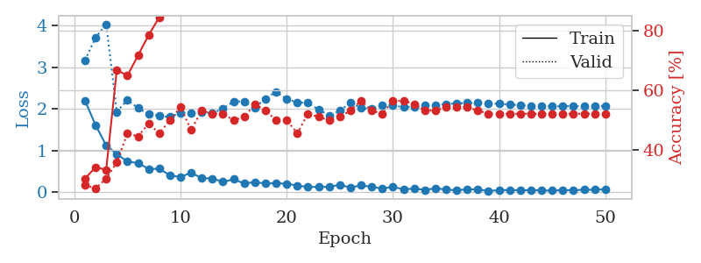
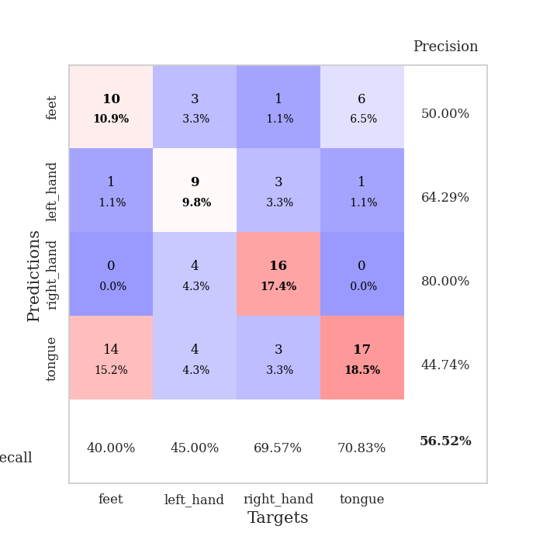
train_loss | valid_loss | train_accuracy | valid_accuracy | dur | train_misclass | valid_misclass
2.1962073803 | 3.1633822192 | 0.30434782609 | 0.28260869565 | 0.046579122543 | 30.434782609 | 28.260869565
1.6099611998 | 3.704876454 | 0.34239130435 | 0.27173913043 | 0.036321163177 | 34.239130435 | 27.173913043
1.1207813501 | 4.0302765266 | 0.33423913043 | 0.30434782609 | 0.036185979843 | 33.423913043 | 30.434782609
0.91431225538 | 1.9272343439 | 0.66847826087 | 0.35869565217 | 0.036241292953 | 66.847826087 | 35.869565217
0.73230308294 | 2.2169030542 | 0.64945652174 | 0.45652173913 | 0.036432027817 | 64.945652174 | 45.652173913
0.69896416664 | 2.0140902581 | 0.71739130435 | 0.44565217391 | 0.036192655563 | 71.739130435 | 44.565217391
0.55656486154 | 1.8695992698 | 0.78532608696 | 0.48913043478 | 0.036818742752 | 78.532608696 | 48.913043478
0.56163742542 | 1.8320184531 | 0.84510869565 | 0.45652173913 | 0.037922382355 | 84.510869565 | 45.652173913
0.40219199657 | 1.8023888598 | 0.90760869565 | 0.5 | 0.037400484085 | 90.760869565 | 50
0.36633501649 | 1.9034326958 | 0.9375 | 0.54347826087 | 0.038122177124 | 93.75 | 54.347826087
0.46507604718 | 1.906154249 | 0.93206521739 | 0.46739130435 | 0.037685394287 | 93.206521739 | 46.739130435
0.33517037332 | 1.9097149113 | 0.94293478261 | 0.53260869565 | 0.037284374237 | 94.293478261 | 53.260869565
0.32923263013 | 1.8912900945 | 0.97282608696 | 0.52173913043 | 0.037442684174 | 97.282608696 | 52.173913043
0.24587877989 | 2.0035644251 | 0.97826086957 | 0.52173913043 | 0.037667274475 | 97.826086957 | 52.173913043
0.30886211097 | 2.1767044171 | 0.94836956522 | 0.5 | 0.037476539612 | 94.836956522 | 50
0.20785189718 | 2.1738391907 | 0.96739130435 | 0.51086956522 | 0.037933349609 | 96.739130435 | 51.086956522
0.24136735201 | 2.0326387001 | 0.99184782609 | 0.55434782609 | 0.042346477509 | 99.184782609 | 55.434782609
0.20675404221 | 2.24284921 | 0.98097826087 | 0.53260869565 | 0.03587436676 | 98.097826087 | 53.260869565
0.21801445782 | 2.4110544764 | 0.97554347826 | 0.5 | 0.03635263443 | 97.554347826 | 50
0.20030503273 | 2.2325718455 | 0.98913043478 | 0.5 | 0.036403417587 | 98.913043478 | 50
0.15948919654 | 2.1562939364 | 0.98641304348 | 0.45652173913 | 0.036432027817 | 98.641304348 | 45.652173913
0.12385433018 | 2.1408094375 | 0.98913043478 | 0.52173913043 | 0.036265611649 | 98.913043478 | 52.173913043
0.12693346888 | 1.9822259727 | 0.9972826087 | 0.51086956522 | 0.036290168762 | 99.72826087 | 51.086956522
0.12689917386 | 1.8378479688 | 0.99456521739 | 0.5 | 0.036319494247 | 99.456521739 | 50
0.1747830607 | 1.9488245508 | 0.99456521739 | 0.51086956522 | 0.036340713501 | 99.456521739 | 51.086956522
0.11147617549 | 2.1524133579 | 0.9972826087 | 0.53260869565 | 0.036459207535 | 99.72826087 | 53.260869565
0.16270707548 | 2.0178783666 | 1 | 0.5652173913 | 0.036442518234 | 100 | 56.52173913
0.12687700987 | 1.9960373588 | 1 | 0.53260869565 | 0.036412000656 | 100 | 53.260869565
0.086550439894 | 2.0779807101 | 1 | 0.52173913043 | 0.036361455917 | 100 | 52.173913043
0.12900249809 | 2.0786334017 | 1 | 0.5652173913 | 0.038139104843 | 100 | 56.52173913
0.067131344043 | 2.0382216443 | 1 | 0.5652173913 | 0.03635764122 | 100 | 56.52173913
0.085573607683 | 2.0530353111 | 1 | 0.55434782609 | 0.038405179977 | 100 | 55.434782609
0.054946396127 | 2.0788268214 | 1 | 0.53260869565 | 0.036080598831 | 100 | 53.260869565
0.091573601216 | 2.081991942 | 1 | 0.53260869565 | 0.036026477814 | 100 | 53.260869565
0.063236866519 | 2.1160875352 | 1 | 0.54347826087 | 0.036198616028 | 100 | 54.347826087
0.04425585717 | 2.1289704001 | 1 | 0.54347826087 | 0.035969495773 | 100 | 54.347826087
0.06897213608 | 2.1391599126 | 1 | 0.54347826087 | 0.036398172379 | 100 | 54.347826087
0.062357725948 | 2.1393359381 | 1 | 0.53260869565 | 0.036237955093 | 100 | 53.260869565
0.030318117887 | 2.1264581214 | 1 | 0.52173913043 | 0.036262273788 | 100 | 52.173913043
0.047567460686 | 2.1180841508 | 1 | 0.52173913043 | 0.036285877228 | 100 | 52.173913043
0.050942785665 | 2.1026863689 | 1 | 0.52173913043 | 0.03634428978 | 100 | 52.173913043
0.04393668361 | 2.0835072839 | 1 | 0.52173913043 | 0.036201000214 | 100 | 52.173913043
0.0496677652 | 2.0700163167 | 1 | 0.52173913043 | 0.036501169205 | 100 | 52.173913043
0.041774868593 | 2.0602446484 | 1 | 0.52173913043 | 0.036338567734 | 100 | 52.173913043
0.037308316305 | 2.0583164744 | 1 | 0.52173913043 | 0.03638458252 | 100 | 52.173913043
0.048767388985 | 2.0587757256 | 1 | 0.52173913043 | 0.036310195923 | 100 | 52.173913043
0.047907401249 | 2.0653124529 | 1 | 0.52173913043 | 0.036327838898 | 100 | 52.173913043
0.05787723437 | 2.0592972196 | 1 | 0.52173913043 | 0.036293029785 | 100 | 52.173913043
0.057865744457 | 2.0611704899 | 1 | 0.52173913043 | 0.036347150803 | 100 | 52.173913043
0.06580028981 | 2.0625353585 | 1 | 0.52173913043 | 0.036322116852 | 100 | 52.173913043

Best Val accuracy is 0.5652173913043478 and Best test accuracy is 0.5948275862068966

Sheet2
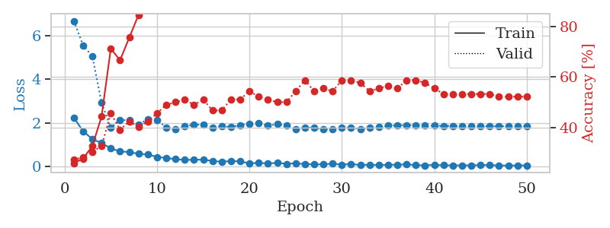
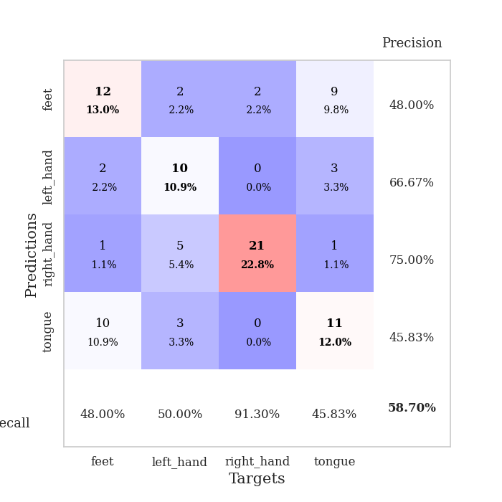
train_loss | valid_loss | train_accuracy | valid_accuracy | dur | train_misclass | valid_misclass
2.2433563709 | 6.686611217 | 0.25815217391 | 0.27173913043 | 0.037058115005 | 25.815217391 | 27.173913043
1.623689723 | 5.5667790745 | 0.27717391304 | 0.28260869565 | 0.036324262619 | 27.717391304 | 28.260869565
1.2554729939 | 5.0645715257 | 0.32608695652 | 0.30434782609 | 0.038057088852 | 32.608695652 | 30.434782609
1.0755461097 | 2.9382763272 | 0.44293478261 | 0.32608695652 | 0.03801035881 | 44.293478261 | 32.608695652
0.83079845905 | 1.7798076635 | 0.71195652174 | 0.45652173913 | 0.036084413528 | 71.195652174 | 45.652173913
0.69132044315 | 2.1306852258 | 0.66576086957 | 0.39130434783 | 0.036171674728 | 66.576086957 | 39.130434783
0.66412249207 | 2.1327762967 | 0.75543478261 | 0.42391304348 | 0.036032676697 | 75.543478261 | 42.391304348
0.57784454226 | 1.9198734242 | 0.84510869565 | 0.40217391304 | 0.03648352623 | 84.510869565 | 40.217391304
0.55539036989 | 2.1780450811 | 0.89130434783 | 0.42391304348 | 0.037673950195 | 89.130434783 | 42.391304348
0.43494384885 | 2.1296454824 | 0.89673913043 | 0.45652173913 | 0.035395383835 | 89.673913043 | 45.652173913
0.39205055833 | 1.7936668396 | 0.94836956522 | 0.48913043478 | 0.03594326973 | 94.836956522 | 48.913043478
0.33261247873 | 1.7064357193 | 0.95652173913 | 0.5 | 0.036184310913 | 95.652173913 | 50
0.30141670704 | 1.8353128977 | 0.95923913043 | 0.51086956522 | 0.03631401062 | 95.923913043 | 51.086956522
0.30835756063 | 1.9312409474 | 0.94293478261 | 0.48913043478 | 0.036408901215 | 94.293478261 | 48.913043478
0.31212455332 | 1.9078504573 | 0.9375 | 0.51086956522 | 0.036164283752 | 93.75 | 51.086956522
0.25152758956 | 1.7922483009 | 0.98097826087 | 0.46739130435 | 0.036214351654 | 98.097826087 | 46.739130435
0.21601660848 | 1.854025592 | 0.97554347826 | 0.46739130435 | 0.036186933517 | 97.554347826 | 46.739130435
0.24969937801 | 1.8086999551 | 0.98369565217 | 0.51086956522 | 0.03614616394 | 98.369565217 | 51.086956522
0.23308175504 | 1.9021543238 | 0.99184782609 | 0.51086956522 | 0.036156654358 | 99.184782609 | 51.086956522
0.14515611827 | 1.9729661553 | 0.98097826087 | 0.54347826087 | 0.036132097244 | 98.097826087 | 54.347826087
0.16502151787 | 1.9770050723 | 0.98369565217 | 0.52173913043 | 0.036580562592 | 98.369565217 | 52.173913043
0.13822308779 | 1.8760386058 | 1 | 0.51086956522 | 0.036234140396 | 100 | 51.086956522
0.16489426345 | 1.9389039563 | 0.99456521739 | 0.5 | 0.036251783371 | 99.456521739 | 50
0.12291636914 | 1.8733304506 | 0.99456521739 | 0.5 | 0.036224603653 | 99.456521739 | 50
0.14592802078 | 1.7228134326 | 1 | 0.54347826087 | 0.036154985428 | 100 | 54.347826087
0.10511688069 | 1.7861773786 | 0.9972826087 | 0.58695652174 | 0.036270141602 | 99.72826087 | 58.695652174
0.099937755615 | 1.7787256111 | 0.9972826087 | 0.54347826087 | 0.036534547806 | 99.72826087 | 54.347826087
0.09334782213 | 1.7067202822 | 0.9972826087 | 0.55434782609 | 0.036268949509 | 99.72826087 | 55.434782609
0.13288498744 | 1.6944880304 | 1 | 0.54347826087 | 0.036238193512 | 100 | 54.347826087
0.087036946416 | 1.7665164004 | 1 | 0.58695652174 | 0.036208152771 | 100 | 58.695652174
0.1155399628 | 1.7837631262 | 1 | 0.58695652174 | 0.036194801331 | 100 | 58.695652174
0.061639107019 | 1.7234966081 | 1 | 0.57608695652 | 0.036172628403 | 100 | 57.608695652
0.080961222947 | 1.7789887138 | 1 | 0.54347826087 | 0.036131620407 | 100 | 54.347826087
0.058074510843 | 1.8257293623 | 1 | 0.55434782609 | 0.03613448143 | 100 | 55.434782609
0.080591258034 | 1.8710575104 | 1 | 0.5652173913 | 0.036366224289 | 100 | 56.52173913
0.080061455071 | 1.8901489999 | 1 | 0.55434782609 | 0.036182165146 | 100 | 55.434782609
0.095781817287 | 1.8997486804 | 1 | 0.58695652174 | 0.03622841835 | 100 | 58.695652174
0.062645173073 | 1.8959722674 | 1 | 0.58695652174 | 0.036373615265 | 100 | 58.695652174
0.051743670553 | 1.8754331573 | 1 | 0.57608695652 | 0.03630900383 | 100 | 57.608695652
0.074154328555 | 1.869031406 | 1 | 0.55434782609 | 0.036177635193 | 100 | 55.434782609
0.054298263043 | 1.8646418945 | 1 | 0.53260869565 | 0.036219120026 | 100 | 53.260869565
0.052937550098 | 1.8659979442 | 1 | 0.53260869565 | 0.036188364029 | 100 | 53.260869565
0.04776734747 | 1.8621861079 | 1 | 0.53260869565 | 0.036181926727 | 100 | 53.260869565
0.051919940114 | 1.8573861589 | 1 | 0.53260869565 | 0.036200523376 | 100 | 53.260869565
0.064909223467 | 1.8520990817 | 1 | 0.53260869565 | 0.036138296127 | 100 | 53.260869565
0.059213552997 | 1.8511641829 | 1 | 0.53260869565 | 0.03619146347 | 100 | 53.260869565
0.045821473375 | 1.8504406266 | 1 | 0.52173913043 | 0.036189556122 | 100 | 52.173913043
0.04494432807 | 1.8512123927 | 1 | 0.52173913043 | 0.036211967468 | 100 | 52.173913043
0.046133308485 | 1.8517437733 | 1 | 0.52173913043 | 0.036200523376 | 100 | 52.173913043
0.04910544306 | 1.8522545799 | 1 | 0.52173913043 | 0.036173820496 | 100 | 52.173913043

Best Val accuracy is 0.5869565217391305 and Best test accuracy is 0.5775862068965517

Sheet3
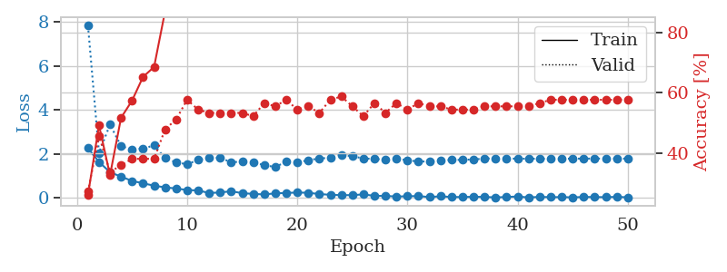
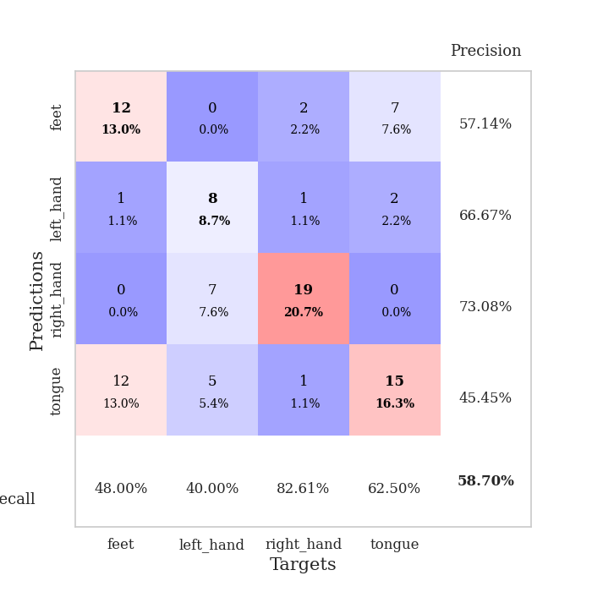
train_loss | valid_loss | train_accuracy | valid_accuracy | dur | train_misclass | valid_misclass
2.2638602495 | 7.8364056712 | 0.26086956522 | 0.27173913043 | 0.036588907242 | 26.086956522 | 27.173913043
1.6420820951 | 2.0550930707 | 0.49184782609 | 0.45652173913 | 0.03618478775 | 49.184782609 | 45.652173913
1.1710465431 | 3.3404716823 | 0.32608695652 | 0.33695652174 | 0.037073373795 | 32.608695652 | 33.695652174
0.97329550982 | 2.362630274 | 0.51630434783 | 0.35869565217 | 0.03609919548 | 51.630434783 | 35.869565217
0.77639695406 | 2.2006568701 | 0.57336956522 | 0.38043478261 | 0.03568816185 | 57.336956522 | 38.043478261
0.66822071075 | 2.2530666745 | 0.65217391304 | 0.38043478261 | 0.035730600357 | 65.217391304 | 38.043478261
0.55994853973 | 2.3870409364 | 0.6847826087 | 0.38043478261 | 0.035798072815 | 68.47826087 | 38.043478261
0.48270385861 | 1.8211017951 | 0.86956521739 | 0.47826086957 | 0.035931110382 | 86.956521739 | 47.826086957
0.43202998042 | 1.6158657618 | 0.91576086957 | 0.51086956522 | 0.036533355713 | 91.576086957 | 51.086956522
0.36272567511 | 1.5371981496 | 0.92663043478 | 0.57608695652 | 0.036298513412 | 92.663043478 | 57.608695652
0.34122287631 | 1.7323257457 | 0.9375 | 0.54347826087 | 0.038324832916 | 93.75 | 54.347826087
0.22732793391 | 1.8267394356 | 0.95923913043 | 0.53260869565 | 0.036138057709 | 95.923913043 | 53.260869565
0.25038518906 | 1.826367995 | 0.97010869565 | 0.53260869565 | 0.036155700684 | 97.010869565 | 53.260869565
0.30828987956 | 1.6247360344 | 0.98913043478 | 0.53260869565 | 0.036126613617 | 98.913043478 | 53.260869565
0.21773180962 | 1.6566098462 | 0.98097826087 | 0.53260869565 | 0.036425352097 | 98.097826087 | 53.260869565
0.18661561608 | 1.6219849224 | 0.95923913043 | 0.52173913043 | 0.036283493042 | 95.923913043 | 52.173913043
0.16118111163 | 1.4954868866 | 0.98641304348 | 0.5652173913 | 0.036308765411 | 98.641304348 | 56.52173913
0.21034225225 | 1.4061144953 | 0.99184782609 | 0.55434782609 | 0.036454677582 | 99.184782609 | 55.434782609
0.22841616422 | 1.6539740666 | 0.97282608696 | 0.57608695652 | 0.036621809006 | 97.282608696 | 57.608695652
0.24877575338 | 1.6286307677 | 0.98913043478 | 0.54347826087 | 0.036414384842 | 98.913043478 | 54.347826087
0.23727144897 | 1.7143594182 | 0.98369565217 | 0.55434782609 | 0.036555051804 | 98.369565217 | 55.434782609
0.17833287865 | 1.8029304173 | 0.97826086957 | 0.53260869565 | 0.036673069 | 97.826086957 | 53.260869565
0.14507557154 | 1.8216826423 | 1 | 0.57608695652 | 0.036398410797 | 100 | 57.608695652
0.12851365805 | 1.9644535262 | 0.99456521739 | 0.58695652174 | 0.036411046982 | 99.456521739 | 58.695652174
0.130607149 | 1.8944006614 | 0.9972826087 | 0.55434782609 | 0.036337375641 | 99.72826087 | 55.434782609
0.16251082867 | 1.8020028602 | 1 | 0.52173913043 | 0.036296606064 | 100 | 52.173913043
0.098760057613 | 1.774738545 | 1 | 0.5652173913 | 0.037682533264 | 100 | 56.52173913
0.094793436676 | 1.7447260463 | 1 | 0.53260869565 | 0.035555362701 | 100 | 53.260869565
0.066346631572 | 1.7812056801 | 1 | 0.5652173913 | 0.035720586777 | 100 | 56.52173913
0.078784217313 | 1.721099527 | 1 | 0.54347826087 | 0.036252260208 | 100 | 54.347826087
0.087661385164 | 1.655548386 | 1 | 0.5652173913 | 0.036128759384 | 100 | 56.52173913
0.042101916298 | 1.6642034209 | 1 | 0.55434782609 | 0.036458730698 | 100 | 55.434782609
0.078084072471 | 1.7057452513 | 1 | 0.55434782609 | 0.036418676376 | 100 | 55.434782609
0.044892337918 | 1.7295229228 | 1 | 0.54347826087 | 0.036502599716 | 100 | 54.347826087
0.043644648418 | 1.734553788 | 1 | 0.54347826087 | 0.036630630493 | 100 | 54.347826087
0.055862271413 | 1.7545392928 | 1 | 0.54347826087 | 0.036266326904 | 100 | 54.347826087
0.048768219724 | 1.7902234482 | 1 | 0.55434782609 | 0.036282062531 | 100 | 55.434782609
0.02693966087 | 1.8058707144 | 1 | 0.55434782609 | 0.036445379257 | 100 | 55.434782609
0.045968613774 | 1.7939999155 | 1 | 0.55434782609 | 0.036440610886 | 100 | 55.434782609
0.068672672659 | 1.7885000447 | 1 | 0.55434782609 | 0.036015987396 | 100 | 55.434782609
0.023958482593 | 1.7868822917 | 1 | 0.55434782609 | 0.036443710327 | 100 | 55.434782609
0.052013638616 | 1.785253333 | 1 | 0.5652173913 | 0.036316633224 | 100 | 56.52173913
0.036805949733 | 1.785675251 | 1 | 0.57608695652 | 0.036275148392 | 100 | 57.608695652
0.041516172886 | 1.7871760441 | 1 | 0.57608695652 | 0.036209344864 | 100 | 57.608695652
0.028884106688 | 1.7900986101 | 1 | 0.57608695652 | 0.036394119263 | 100 | 57.608695652
0.046056579053 | 1.7908474 | 1 | 0.57608695652 | 0.036250352859 | 100 | 57.608695652
0.044334010407 | 1.7932496382 | 1 | 0.57608695652 | 0.036287784576 | 100 | 57.608695652
0.036368919164 | 1.7925614015 | 1 | 0.57608695652 | 0.036275148392 | 100 | 57.608695652
0.051645073295 | 1.7943192824 | 1 | 0.57608695652 | 0.036277294159 | 100 | 57.608695652
0.031712637842 | 1.789437491 | 1 | 0.57608695652 | 0.03635263443 | 100 | 57.608695652

Best Val accuracy is 0.5869565217391305 and Best test accuracy is 0.5603448275862069

Sheet4
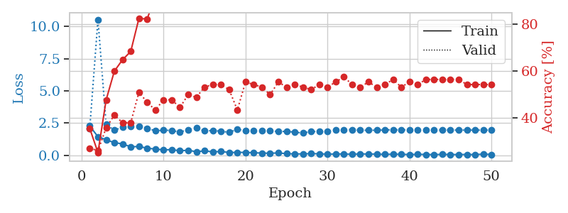
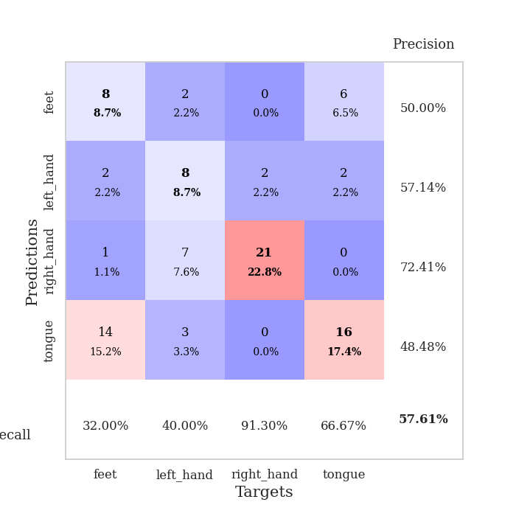
train_loss | valid_loss | train_accuracy | valid_accuracy | dur | train_misclass | valid_misclass
2.2679817677 | 2.0973206396 | 0.35597826087 | 0.27173913043 | 0.03697347641 | 35.597826087 | 27.173913043
1.4375435114 | 10.543967164 | 0.2527173913 | 0.26086956522 | 0.03636598587 | 25.27173913 | 26.086956522
1.1965354204 | 2.3830559046 | 0.47826086957 | 0.35869565217 | 0.03626203537 | 47.826086957 | 35.869565217
0.97736105919 | 1.9410408113 | 0.60054347826 | 0.41304347826 | 0.036383628845 | 60.054347826 | 41.304347826
0.88094004393 | 2.1806225207 | 0.64945652174 | 0.38043478261 | 0.036367893219 | 64.945652174 | 38.043478261
0.64822736382 | 2.2279526721 | 0.6847826087 | 0.38043478261 | 0.036245346069 | 68.47826087 | 38.043478261
0.6815464735 | 2.2548127485 | 0.82608695652 | 0.51086956522 | 0.036519527435 | 82.608695652 | 51.086956522
0.54451960325 | 2.1020296086 | 0.82336956522 | 0.46739130435 | 0.036427497864 | 82.336956522 | 46.739130435
0.47995406389 | 1.8926276591 | 0.92119565217 | 0.4347826087 | 0.036221027374 | 92.119565217 | 43.47826087
0.41117063165 | 1.944560533 | 0.93206521739 | 0.47826086957 | 0.036279439926 | 93.206521739 | 47.826086957
0.43857852221 | 1.9257743151 | 0.92391304348 | 0.47826086957 | 0.036184549332 | 92.391304348 | 47.826086957
0.33961734474 | 1.7976274076 | 0.92391304348 | 0.44565217391 | 0.036403656006 | 92.391304348 | 44.565217391
0.3900965631 | 1.9840519843 | 0.96195652174 | 0.5 | 0.036193370819 | 96.195652174 | 50
0.26704672277 | 2.1050822061 | 0.94565217391 | 0.48913043478 | 0.036191225052 | 94.565217391 | 48.913043478
0.33982224464 | 1.8964481846 | 0.98097826087 | 0.53260869565 | 0.036353111267 | 98.097826087 | 53.260869565
0.25985889733 | 1.9079595804 | 0.97282608696 | 0.54347826087 | 0.036143302917 | 97.282608696 | 54.347826087
0.28593982607 | 1.8681749235 | 0.94836956522 | 0.54347826087 | 0.036246776581 | 94.836956522 | 54.347826087
0.21436508894 | 1.7736275403 | 0.99456521739 | 0.52173913043 | 0.036166667938 | 99.456521739 | 52.173913043
0.21754265875 | 2.018894802 | 0.98097826087 | 0.4347826087 | 0.038939476013 | 98.097826087 | 43.47826087
0.22122255862 | 1.8893333052 | 0.99456521739 | 0.55434782609 | 0.036441802979 | 99.456521739 | 55.434782609
0.19271317571 | 1.8929209865 | 0.99456521739 | 0.54347826087 | 0.03662109375 | 99.456521739 | 54.347826087
0.16688867956 | 1.9181540531 | 0.99184782609 | 0.53260869565 | 0.03644156456 | 99.184782609 | 53.260869565
0.15264802724 | 1.9099148978 | 0.99184782609 | 0.5 | 0.036373138428 | 99.184782609 | 50
0.17775094956 | 1.8354202224 | 0.99456521739 | 0.55434782609 | 0.036434412003 | 99.456521739 | 55.434782609
0.11883033663 | 1.8538852723 | 1 | 0.53260869565 | 0.036483764648 | 100 | 53.260869565
0.10040211231 | 1.7895538237 | 0.9972826087 | 0.54347826087 | 0.036495923996 | 99.72826087 | 54.347826087
0.10038688779 | 1.7268378942 | 1 | 0.53260869565 | 0.036230802536 | 100 | 53.260869565
0.12563268244 | 1.8334646484 | 1 | 0.52173913043 | 0.036407470703 | 100 | 52.173913043
0.10728124827 | 1.8400494016 | 1 | 0.54347826087 | 0.036618947983 | 100 | 54.347826087
0.080766202509 | 1.8634291602 | 1 | 0.53260869565 | 0.03639626503 | 100 | 53.260869565
0.091131740808 | 1.9420034549 | 1 | 0.55434782609 | 0.036301851273 | 100 | 55.434782609
0.097793134302 | 1.9909716689 | 1 | 0.57608695652 | 0.036516904831 | 100 | 57.608695652
0.0707033135 | 1.9818412532 | 1 | 0.54347826087 | 0.036539316177 | 100 | 54.347826087
0.10566921085 | 1.9421275958 | 1 | 0.53260869565 | 0.036400794983 | 100 | 53.260869565
0.085160946846 | 1.9394838758 | 1 | 0.55434782609 | 0.036614894867 | 100 | 55.434782609
0.09074203968 | 1.9389392215 | 1 | 0.53260869565 | 0.036487340927 | 100 | 53.260869565
0.061410697922 | 1.9655416297 | 1 | 0.54347826087 | 0.036356210709 | 100 | 54.347826087
0.08428715542 | 1.9715900447 | 1 | 0.5652173913 | 0.036318302155 | 100 | 56.52173913
0.072154940665 | 1.9662365551 | 1 | 0.53260869565 | 0.036362171173 | 100 | 53.260869565
0.051646866277 | 1.9690137143 | 1 | 0.55434782609 | 0.036431312561 | 100 | 55.434782609
0.066985940188 | 1.9617960142 | 1 | 0.54347826087 | 0.036381483078 | 100 | 54.347826087
0.059636583924 | 1.9441559678 | 1 | 0.5652173913 | 0.03656744957 | 100 | 56.52173913
0.047508955002 | 1.9551154582 | 1 | 0.5652173913 | 0.037837266922 | 100 | 56.52173913
0.067168531381 | 1.9591696107 | 1 | 0.5652173913 | 0.036237955093 | 100 | 56.52173913
0.056445410103 | 1.9539620669 | 1 | 0.5652173913 | 0.036116838455 | 100 | 56.52173913
0.048751766607 | 1.9507260737 | 1 | 0.5652173913 | 0.036111593246 | 100 | 56.52173913
0.060441864282 | 1.9516241447 | 1 | 0.54347826087 | 0.036128520966 | 100 | 54.347826087
0.047686804831 | 1.9523206949 | 1 | 0.54347826087 | 0.036348342896 | 100 | 54.347826087
0.08621334061 | 1.9492240004 | 1 | 0.54347826087 | 0.036363601685 | 100 | 54.347826087
0.060071360692 | 1.9499415626 | 1 | 0.54347826087 | 0.036307573318 | 100 | 54.347826087

Best Val accuracy is 0.5760869565217391 and Best test accuracy is 0.5086206896551724

Sheet5
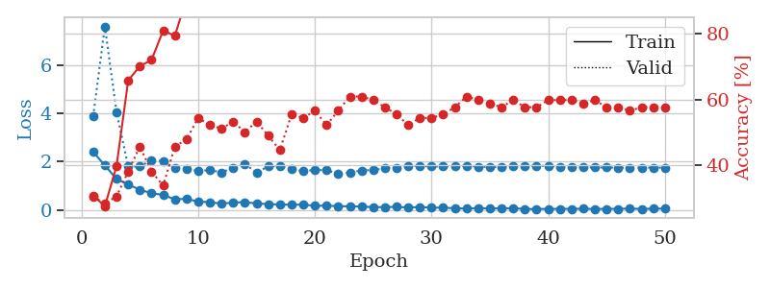
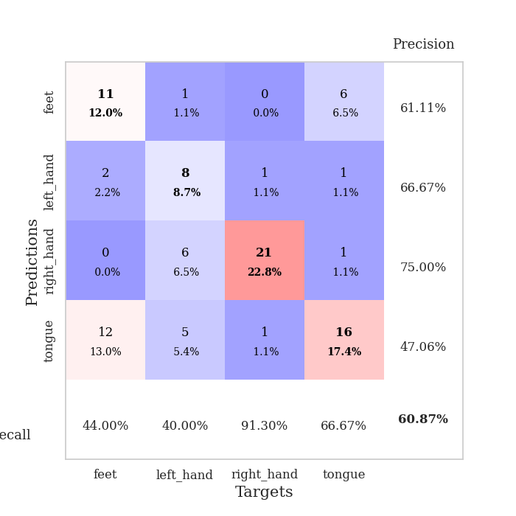
train_loss | valid_loss | train_accuracy | valid_accuracy | dur | train_misclass | valid_misclass
2.396871686 | 3.8822622817 | 0.30706521739 | 0.30434782609 | 0.037232875824 | 30.706521739 | 30.434782609
1.8432316542 | 7.6148828424 | 0.27445652174 | 0.28260869565 | 0.036628961563 | 27.445652174 | 28.260869565
1.2811935186 | 4.0559741725 | 0.39673913043 | 0.30434782609 | 0.03785777092 | 39.673913043 | 30.434782609
1.0475802064 | 1.7998328986 | 0.65760869565 | 0.38043478261 | 0.034986495972 | 65.760869565 | 38.043478261
0.83271759748 | 1.7983026142 | 0.70108695652 | 0.45652173913 | 0.035740852356 | 70.108695652 | 45.652173913
0.68558271527 | 2.0623161015 | 0.72010869565 | 0.38043478261 | 0.035704374313 | 72.010869565 | 38.043478261
0.61941611171 | 2.0297219235 | 0.8097826087 | 0.33695652174 | 0.035188436508 | 80.97826087 | 33.695652174
0.42722656727 | 1.7179484549 | 0.79347826087 | 0.45652173913 | 0.035993099213 | 79.347826087 | 45.652173913
0.45923267603 | 1.696342717 | 0.90760869565 | 0.47826086957 | 0.036041259766 | 90.760869565 | 47.826086957
0.33432346582 | 1.6145315533 | 0.95652173913 | 0.54347826087 | 0.036357164383 | 95.652173913 | 54.347826087
0.3182677567 | 1.6465365187 | 0.97282608696 | 0.52173913043 | 0.036345720291 | 97.282608696 | 52.173913043
0.25281282067 | 1.5541337469 | 0.96467391304 | 0.51086956522 | 0.036195755005 | 96.467391304 | 51.086956522
0.30156283081 | 1.7449824732 | 0.95108695652 | 0.53260869565 | 0.036183834076 | 95.108695652 | 53.260869565
0.31634026468 | 1.8987622935 | 0.91304347826 | 0.5 | 0.036785125732 | 91.304347826 | 50
0.26039619148 | 1.5436016477 | 0.98641304348 | 0.53260869565 | 0.036372900009 | 98.641304348 | 53.260869565
0.23765232265 | 1.8028589228 | 0.98641304348 | 0.48913043478 | 0.036384344101 | 98.641304348 | 48.913043478
0.21969019771 | 1.819239549 | 0.94836956522 | 0.44565217391 | 0.036329030991 | 94.836956522 | 44.565217391
0.20665393472 | 1.7000455753 | 0.97554347826 | 0.55434782609 | 0.036356449127 | 97.554347826 | 55.434782609
0.21613397598 | 1.5996752148 | 0.99456521739 | 0.54347826087 | 0.036867618561 | 99.456521739 | 54.347826087
0.16520586461 | 1.6615551088 | 0.98097826087 | 0.5652173913 | 0.036332607269 | 98.097826087 | 56.52173913
0.17138560414 | 1.6382398761 | 0.97826086957 | 0.52173913043 | 0.036352396011 | 97.826086957 | 52.173913043
0.14581078142 | 1.5024749144 | 0.99456521739 | 0.5652173913 | 0.036312580109 | 99.456521739 | 56.52173913
0.14554861039 | 1.5465010897 | 1 | 0.60869565217 | 0.036184072495 | 100 | 60.869565217
0.13437147141 | 1.6332378387 | 1 | 0.60869565217 | 0.03660774231 | 100 | 60.869565217
0.10754610449 | 1.650745892 | 1 | 0.59782608696 | 0.036280632019 | 100 | 59.782608696
0.10993512124 | 1.7249032181 | 0.99456521739 | 0.57608695652 | 0.03610253334 | 99.456521739 | 57.608695652
0.1218379125 | 1.7494302988 | 0.9972826087 | 0.55434782609 | 0.036212921143 | 99.72826087 | 55.434782609
0.094662712514 | 1.8208673726 | 1 | 0.52173913043 | 0.03614282608 | 100 | 52.173913043
0.11506459266 | 1.8219897903 | 1 | 0.54347826087 | 0.036163330078 | 100 | 54.347826087
0.088088194281 | 1.7984530822 | 1 | 0.54347826087 | 0.036295413971 | 100 | 54.347826087
0.085469031334 | 1.8005642813 | 1 | 0.55434782609 | 0.036243438721 | 100 | 55.434782609
0.062892512977 | 1.8300244083 | 1 | 0.57608695652 | 0.036329269409 | 100 | 57.608695652
0.051943008602 | 1.8225400033 | 1 | 0.60869565217 | 0.036046743393 | 100 | 60.869565217
0.07057027258 | 1.7892689757 | 1 | 0.59782608696 | 0.036199808121 | 100 | 59.782608696
0.05481297113 | 1.7754678415 | 1 | 0.58695652174 | 0.036222457886 | 100 | 58.695652174
0.060323894024 | 1.780775179 | 1 | 0.57608695652 | 0.036180734634 | 100 | 57.608695652
0.065646892413 | 1.8063575418 | 1 | 0.59782608696 | 0.03622841835 | 100 | 59.782608696
0.032452395 | 1.8226076209 | 1 | 0.57608695652 | 0.036242246628 | 100 | 57.608695652
0.030451541394 | 1.8289624271 | 1 | 0.57608695652 | 0.036229133606 | 100 | 57.608695652
0.039085524902 | 1.8174621566 | 1 | 0.59782608696 | 0.036266326904 | 100 | 59.782608696
0.036461614445 | 1.7936634007 | 1 | 0.59782608696 | 0.036237478256 | 100 | 59.782608696
0.039501980692 | 1.7801328664 | 1 | 0.59782608696 | 0.03608584404 | 100 | 59.782608696
0.042548125982 | 1.7642975501 | 1 | 0.58695652174 | 0.036134719849 | 100 | 58.695652174
0.034648671001 | 1.7578353908 | 1 | 0.59782608696 | 0.035766124725 | 100 | 59.782608696
0.037744154595 | 1.7549409815 | 1 | 0.57608695652 | 0.035705327988 | 100 | 57.608695652
0.038401857764 | 1.749958554 | 1 | 0.57608695652 | 0.036267757416 | 100 | 57.608695652
0.052183235437 | 1.7491242419 | 1 | 0.5652173913 | 0.036242485046 | 100 | 56.52173913
0.03355204314 | 1.7504659891 | 1 | 0.57608695652 | 0.036195755005 | 100 | 57.608695652
0.047292913869 | 1.7505328811 | 1 | 0.57608695652 | 0.036063909531 | 100 | 57.608695652
0.046565906703 | 1.7513192892 | 1 | 0.57608695652 | 0.036319494247 | 100 | 57.608695652

Best Val accuracy is 0.6086956521739131 and Best test accuracy is 0.5862068965517241

Sheet6
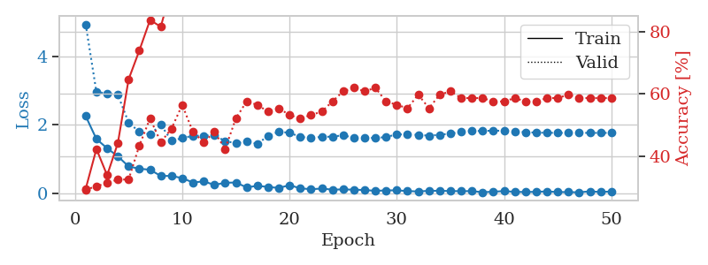
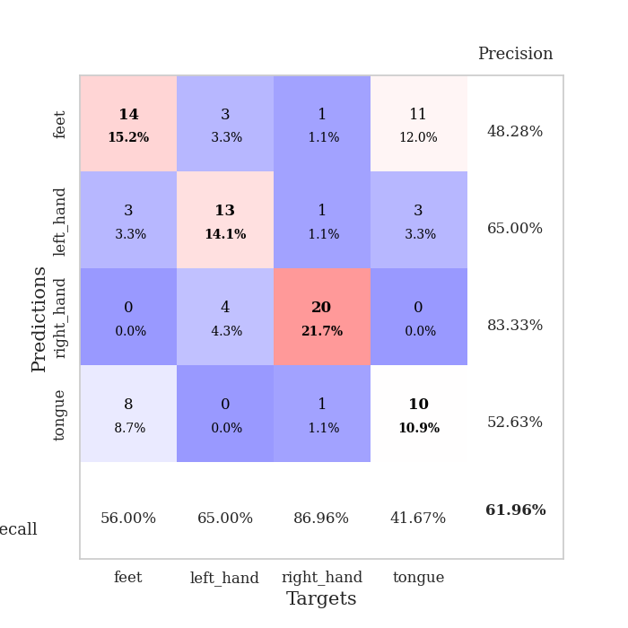
train_loss | valid_loss | train_accuracy | valid_accuracy | dur | train_misclass | valid_misclass
2.2596109152 | 4.940544854 | 0.29619565217 | 0.29347826087 | 0.036660909653 | 29.619565217 | 29.347826087
1.5890150547 | 2.9624899159 | 0.42391304348 | 0.30434782609 | 0.035857915878 | 42.391304348 | 30.434782609
1.3185715437 | 2.9236665705 | 0.33967391304 | 0.3152173913 | 0.035825967789 | 33.967391304 | 31.52173913
1.0835729361 | 2.8784867888 | 0.44293478261 | 0.32608695652 | 0.03588104248 | 44.293478261 | 32.608695652
0.78770093918 | 2.0715084128 | 0.64673913043 | 0.32608695652 | 0.03596830368 | 64.673913043 | 32.608695652
0.72207294703 | 1.7963398747 | 0.73913043478 | 0.4347826087 | 0.035657167435 | 73.913043478 | 43.47826087
0.69166092277 | 1.7193400212 | 0.83695652174 | 0.52173913043 | 0.035870313644 | 83.695652174 | 52.173913043
0.5096619308 | 2.0059867838 | 0.8152173913 | 0.44565217391 | 0.036066293716 | 81.52173913 | 44.565217391
0.5121479094 | 1.5379630431 | 0.9402173913 | 0.48913043478 | 0.035937547684 | 94.02173913 | 48.913043478
0.44640138745 | 1.614906153 | 0.95380434783 | 0.5652173913 | 0.035925865173 | 95.380434783 | 56.52173913
0.31916941404 | 1.6836965654 | 0.94293478261 | 0.47826086957 | 0.035942792892 | 94.293478261 | 47.826086957
0.35131515861 | 1.6864749038 | 0.96739130435 | 0.44565217391 | 0.035806417465 | 96.739130435 | 44.565217391
0.249404791 | 1.6979828658 | 0.96739130435 | 0.47826086957 | 0.035820245743 | 96.739130435 | 47.826086957
0.31126890481 | 1.5279366244 | 0.97554347826 | 0.42391304348 | 0.035818338394 | 97.554347826 | 42.391304348
0.31879161596 | 1.4681205698 | 0.98641304348 | 0.52173913043 | 0.037551403046 | 98.641304348 | 52.173913043
0.17630338818 | 1.5138920261 | 0.98369565217 | 0.57608695652 | 0.034743785858 | 98.369565217 | 57.608695652
0.22185715139 | 1.4497615825 | 0.99456521739 | 0.5652173913 | 0.035664558411 | 99.456521739 | 56.52173913
0.18927884698 | 1.6776042762 | 0.98097826087 | 0.54347826087 | 0.035384178162 | 98.097826087 | 54.347826087
0.15990751982 | 1.8025278009 | 0.98097826087 | 0.55434782609 | 0.035469293594 | 98.097826087 | 55.434782609
0.24098657668 | 1.770830906 | 0.9972826087 | 0.53260869565 | 0.035729885101 | 99.72826087 | 53.260869565
0.14895138741 | 1.6535388983 | 0.9972826087 | 0.52173913043 | 0.035745859146 | 99.72826087 | 52.173913043
0.12229990959 | 1.6176836983 | 1 | 0.53260869565 | 0.035942316055 | 100 | 53.260869565
0.14198213518 | 1.6531773339 | 1 | 0.54347826087 | 0.035916805267 | 100 | 54.347826087
0.10994672738 | 1.6580917369 | 0.9972826087 | 0.57608695652 | 0.035833358765 | 99.72826087 | 57.608695652
0.11776349619 | 1.6990433983 | 0.9972826087 | 0.60869565217 | 0.035693883896 | 99.72826087 | 60.869565217
0.1090762265 | 1.623756813 | 1 | 0.61956521739 | 0.036008358002 | 100 | 61.956521739
0.099565291405 | 1.6239914998 | 0.9972826087 | 0.60869565217 | 0.035923719406 | 99.72826087 | 60.869565217
0.075380973518 | 1.620270641 | 0.9972826087 | 0.61956521739 | 0.03571844101 | 99.72826087 | 61.956521739
0.088437843323 | 1.6456088501 | 1 | 0.57608695652 | 0.035764455795 | 100 | 57.608695652
0.089704298973 | 1.7258929429 | 1 | 0.5652173913 | 0.035825014114 | 100 | 56.52173913
0.068384582922 | 1.7205410988 | 1 | 0.55434782609 | 0.035926818848 | 100 | 55.434782609
0.057585403323 | 1.7111231711 | 1 | 0.59782608696 | 0.036018848419 | 100 | 59.782608696
0.075488127023 | 1.6865853926 | 1 | 0.55434782609 | 0.035939455032 | 100 | 55.434782609
0.077434132993 | 1.7146754705 | 1 | 0.59782608696 | 0.036389112473 | 100 | 59.782608696
0.06898220852 | 1.7467208634 | 1 | 0.60869565217 | 0.03599023819 | 100 | 60.869565217
0.065435801446 | 1.7969049837 | 1 | 0.58695652174 | 0.035903453827 | 100 | 58.695652174
0.067409219965 | 1.8256384186 | 1 | 0.58695652174 | 0.035906553268 | 100 | 58.695652174
0.034928350151 | 1.8240281032 | 1 | 0.58695652174 | 0.036070346832 | 100 | 58.695652174
0.050383742899 | 1.8339566614 | 1 | 0.57608695652 | 0.03592133522 | 100 | 57.608695652
0.068412804604 | 1.8294955648 | 1 | 0.57608695652 | 0.035991191864 | 100 | 57.608695652
0.04556193538 | 1.8069805581 | 1 | 0.58695652174 | 0.036216497421 | 100 | 58.695652174
0.040656791627 | 1.7880508485 | 1 | 0.57608695652 | 0.036064147949 | 100 | 57.608695652
0.046865647286 | 1.7768457402 | 1 | 0.57608695652 | 0.035853862762 | 100 | 57.608695652
0.057571267337 | 1.7712248616 | 1 | 0.58695652174 | 0.036067008972 | 100 | 58.695652174
0.04015230611 | 1.7688470405 | 1 | 0.58695652174 | 0.03596663475 | 100 | 58.695652174
0.038317297399 | 1.7675656184 | 1 | 0.59782608696 | 0.036063909531 | 100 | 59.782608696
0.031408611685 | 1.7687361189 | 1 | 0.58695652174 | 0.035954713821 | 100 | 58.695652174
0.060225477815 | 1.7681126335 | 1 | 0.58695652174 | 0.03600692749 | 100 | 58.695652174
0.041090591624 | 1.7677916548 | 1 | 0.58695652174 | 0.036053419113 | 100 | 58.695652174
0.057188268751 | 1.7685120469 | 1 | 0.58695652174 | 0.035935163498 | 100 | 58.695652174

Best Val accuracy is 0.6195652173913043 and Best test accuracy is 0.5862068965517241

Sheet7
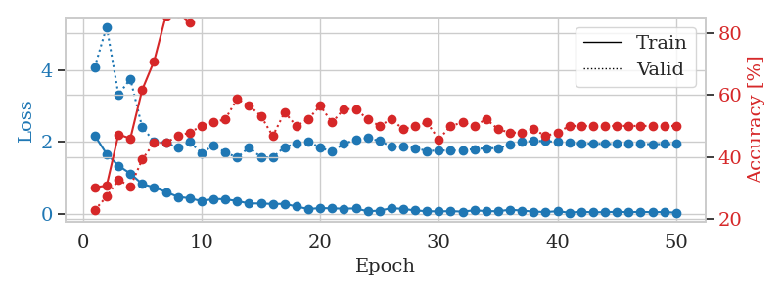
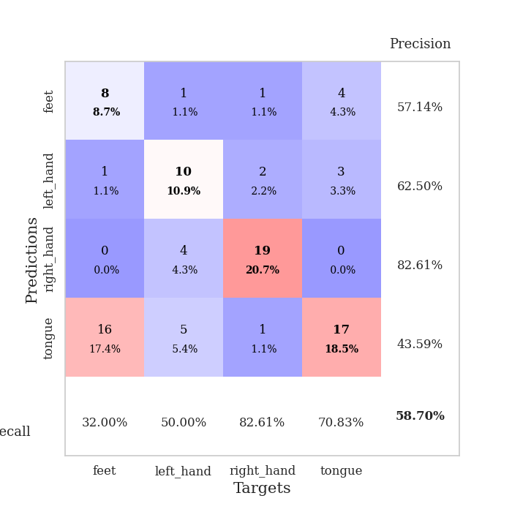
train_loss | valid_loss | train_accuracy | valid_accuracy | dur | train_misclass | valid_misclass
2.1724447966 | 4.0785508156 | 0.30163043478 | 0.22826086957 | 0.036649227142 | 30.163043478 | 22.826086957
1.6600375414 | 5.1995391431 | 0.30706521739 | 0.27173913043 | 0.035506486893 | 30.706521739 | 27.173913043
1.3342947006 | 3.3151538372 | 0.47282608696 | 0.32608695652 | 0.035307407379 | 47.282608696 | 32.608695652
1.115295434 | 3.7496563248 | 0.45923913043 | 0.30434782609 | 0.035322666168 | 45.923913043 | 30.434782609
0.82435016632 | 2.4003858981 | 0.61684782609 | 0.39130434783 | 0.035039424896 | 61.684782609 | 39.130434783
0.73270221949 | 2.010219885 | 0.70923913043 | 0.44565217391 | 0.035474777222 | 70.923913043 | 44.565217391
0.60340179205 | 1.9755996155 | 0.85597826087 | 0.44565217391 | 0.035588502884 | 85.597826087 | 44.565217391
0.46747515202 | 1.836156389 | 0.86684782609 | 0.46739130435 | 0.035037755966 | 86.684782609 | 46.739130435
0.42765489221 | 1.9910337407 | 0.83423913043 | 0.47826086957 | 0.035785675049 | 83.423913043 | 47.826086957
0.34850891829 | 1.6909335955 | 0.94836956522 | 0.5 | 0.03573679924 | 94.836956522 | 50
0.40914834142 | 1.8907241821 | 0.875 | 0.51086956522 | 0.035799264908 | 87.5 | 51.086956522
0.40111621618 | 1.7077655015 | 0.91847826087 | 0.52173913043 | 0.035843610764 | 91.847826087 | 52.173913043
0.35065143704 | 1.5572436581 | 0.95108695652 | 0.58695652174 | 0.038019657135 | 95.108695652 | 58.695652174
0.28452856541 | 1.8445983037 | 0.9347826087 | 0.5652173913 | 0.035645961761 | 93.47826087 | 56.52173913
0.28140274286 | 1.5702231449 | 0.98641304348 | 0.53260869565 | 0.035173892975 | 98.641304348 | 53.260869565
0.26843078434 | 1.5617333132 | 0.96739130435 | 0.46739130435 | 0.034538507462 | 96.739130435 | 46.739130435
0.2720275104 | 1.8541928944 | 0.97826086957 | 0.54347826087 | 0.035102128983 | 97.826086957 | 54.347826087
0.19828308523 | 1.9450796376 | 0.98913043478 | 0.5 | 0.035181045532 | 98.913043478 | 50
0.1280423075 | 2.013990651 | 0.99456521739 | 0.52173913043 | 0.034593820572 | 99.456521739 | 52.173913043
0.15551658869 | 1.8359522405 | 0.98913043478 | 0.5652173913 | 0.034685373306 | 98.913043478 | 56.52173913
0.14522668421 | 1.7236470606 | 1 | 0.51086956522 | 0.034507513046 | 100 | 51.086956522
0.13896240965 | 1.9423595563 | 0.97554347826 | 0.55434782609 | 0.034980535507 | 97.554347826 | 55.434782609
0.14430504739 | 2.0609516476 | 0.99456521739 | 0.55434782609 | 0.034468412399 | 99.456521739 | 55.434782609
0.066654685512 | 2.1017290354 | 0.9972826087 | 0.52173913043 | 0.034712553024 | 99.72826087 | 52.173913043
0.084788284451 | 2.0250502203 | 1 | 0.5 | 0.034810781479 | 100 | 50
0.15160619766 | 1.8691098949 | 1 | 0.52173913043 | 0.034933567047 | 100 | 52.173913043
0.1317293182 | 1.8764041455 | 1 | 0.48913043478 | 0.034955263138 | 100 | 48.913043478
0.088788948953 | 1.8248624232 | 0.9972826087 | 0.5 | 0.034613609314 | 99.72826087 | 50
0.069020886719 | 1.7431531678 | 0.9972826087 | 0.51086956522 | 0.034568071365 | 99.72826087 | 51.086956522
0.062756957859 | 1.7571930108 | 0.9972826087 | 0.45652173913 | 0.034548521042 | 99.72826087 | 45.652173913
0.071060789376 | 1.7558920798 | 1 | 0.5 | 0.034561634064 | 100 | 50
0.057867576182 | 1.763897704 | 1 | 0.51086956522 | 0.034632444382 | 100 | 51.086956522
0.093333751708 | 1.7997274451 | 1 | 0.5 | 0.034590959549 | 100 | 50
0.071382802725 | 1.8186287206 | 1 | 0.52173913043 | 0.034606695175 | 100 | 52.173913043
0.0670967713 | 1.8213561359 | 1 | 0.48913043478 | 0.034578800201 | 100 | 48.913043478
0.10967343673 | 1.9203330797 | 1 | 0.47826086957 | 0.034543037415 | 100 | 47.826086957
0.084683671594 | 1.9990696752 | 1 | 0.47826086957 | 0.034595012665 | 100 | 47.826086957
0.058506631851 | 2.0212426237 | 1 | 0.48913043478 | 0.034547805786 | 100 | 48.913043478
0.045067035407 | 2.0217566646 | 1 | 0.46739130435 | 0.034559726715 | 100 | 46.739130435
0.068772210926 | 1.9918327902 | 1 | 0.47826086957 | 0.03693318367 | 100 | 47.826086957
0.026314108446 | 1.9663257962 | 1 | 0.5 | 0.035029172897 | 100 | 50
0.054421356693 | 1.9517590326 | 1 | 0.5 | 0.034168481827 | 100 | 50
0.037231558375 | 1.9475924036 | 1 | 0.5 | 0.034251689911 | 100 | 50
0.0433676783 | 1.9400383027 | 1 | 0.5 | 0.034209251404 | 100 | 50
0.050439600274 | 1.93964882 | 1 | 0.5 | 0.034379482269 | 100 | 50
0.042739939317 | 1.9380503945 | 1 | 0.5 | 0.034521341324 | 100 | 50
0.049094230309 | 1.9365437601 | 1 | 0.5 | 0.03444814682 | 100 | 50
0.042034782842 | 1.9357218276 | 1 | 0.5 | 0.035427808762 | 100 | 50
0.044755714759 | 1.9366224382 | 1 | 0.5 | 0.035404682159 | 100 | 50
0.029198229313 | 1.9377473178 | 1 | 0.5 | 0.035304546356 | 100 | 50

Best Val accuracy is 0.5869565217391305 and Best test accuracy is 0.5258620689655172

Sheet8
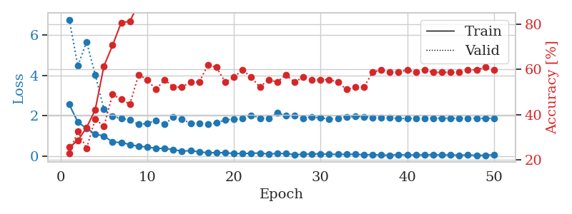
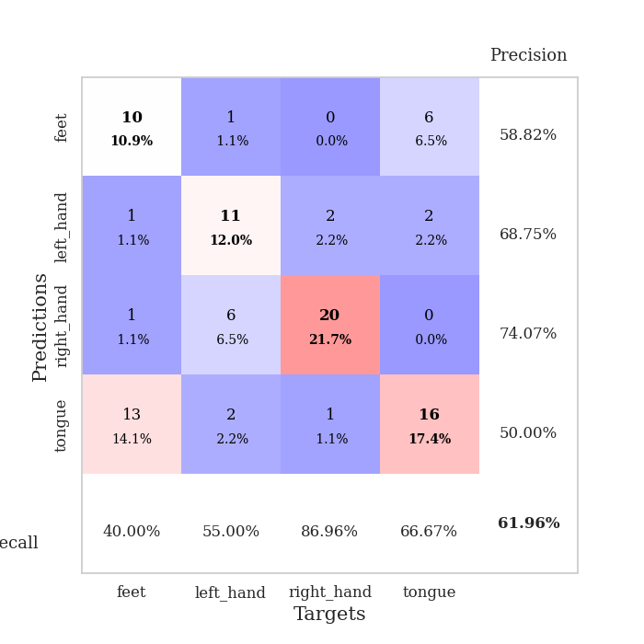
train_loss | valid_loss | train_accuracy | valid_accuracy | dur | train_misclass | valid_misclass
2.5578589201 | 6.7607645367 | 0.25543478261 | 0.22826086957 | 0.03635764122 | 25.543478261 | 22.826086957
1.6794860601 | 4.4720822003 | 0.28532608696 | 0.32608695652 | 0.035432338715 | 28.532608696 | 32.608695652
1.3753219366 | 5.6624424561 | 0.34239130435 | 0.25 | 0.035102128983 | 34.239130435 | 25
1.0914447069 | 4.0352840113 | 0.42119565217 | 0.38043478261 | 0.034151315689 | 42.119565217 | 38.043478261
0.99079445601 | 2.3278992124 | 0.61413043478 | 0.34782608696 | 0.035354852676 | 61.413043478 | 34.782608696
0.70015054941 | 1.9604260092 | 0.70652173913 | 0.48913043478 | 0.034579277039 | 70.652173913 | 48.913043478
0.66978760958 | 1.8678281566 | 0.80706521739 | 0.46739130435 | 0.035372495651 | 80.706521739 | 46.739130435
0.57629464269 | 1.7794045728 | 0.8125 | 0.44565217391 | 0.036026716232 | 81.25 | 44.565217391
0.47686798573 | 1.5730575945 | 0.89130434783 | 0.57608695652 | 0.03421831131 | 89.130434783 | 57.608695652
0.45640279651 | 1.6149316819 | 0.92663043478 | 0.55434782609 | 0.035407066345 | 92.663043478 | 55.434782609
0.37734014988 | 1.7709810837 | 0.88858695652 | 0.51086956522 | 0.034134149551 | 88.858695652 | 51.086956522
0.38336395025 | 1.5822041501 | 0.95380434783 | 0.55434782609 | 0.034438848495 | 95.380434783 | 55.434782609
0.3219117105 | 1.9195474023 | 0.9402173913 | 0.52173913043 | 0.034170150757 | 94.02173913 | 52.173913043
0.24417935312 | 1.8161905382 | 0.95652173913 | 0.52173913043 | 0.034088373184 | 95.652173913 | 52.173913043
0.27000266314 | 1.6346518579 | 0.99184782609 | 0.54347826087 | 0.034311294556 | 99.184782609 | 54.347826087
0.20754956454 | 1.6227750104 | 0.99184782609 | 0.54347826087 | 0.034895896912 | 99.184782609 | 54.347826087
0.16712248921 | 1.5879733251 | 0.99456521739 | 0.61956521739 | 0.034734010696 | 99.456521739 | 61.956521739
0.16969360411 | 1.6495162715 | 0.99184782609 | 0.60869565217 | 0.035760164261 | 99.184782609 | 60.869565217
0.16603908092 | 1.7950872701 | 0.97282608696 | 0.54347826087 | 0.035000801086 | 97.282608696 | 54.347826087
0.12669732869 | 1.8258285056 | 0.9972826087 | 0.5652173913 | 0.034465789795 | 99.72826087 | 56.52173913
0.12351035923 | 1.8499951725 | 1 | 0.59782608696 | 0.035103082657 | 100 | 59.782608696
0.14199157506 | 2.0210771612 | 0.9972826087 | 0.5652173913 | 0.034380674362 | 99.72826087 | 56.52173913
0.14768138453 | 1.8838714413 | 1 | 0.52173913043 | 0.034692049026 | 100 | 52.173913043
0.10379219204 | 1.8757978056 | 1 | 0.55434782609 | 0.034420728683 | 100 | 55.434782609
0.12963827401 | 2.1360723091 | 0.98097826087 | 0.54347826087 | 0.03463435173 | 98.097826087 | 54.347826087
0.11951966435 | 2.0094225977 | 0.9972826087 | 0.57608695652 | 0.035108804703 | 99.72826087 | 57.608695652
0.073641979694 | 1.9984406336 | 0.99184782609 | 0.54347826087 | 0.034444570541 | 99.184782609 | 54.347826087
0.084335377812 | 1.8809069913 | 1 | 0.5652173913 | 0.034559965134 | 100 | 56.52173913
0.10643915012 | 1.929729555 | 0.9972826087 | 0.55434782609 | 0.035151004791 | 99.72826087 | 55.434782609
0.11307960004 | 1.8930703764 | 0.9972826087 | 0.55434782609 | 0.034434556961 | 99.72826087 | 55.434782609
0.086236653477 | 1.8356565911 | 1 | 0.55434782609 | 0.034437656403 | 100 | 55.434782609
0.088901203871 | 1.8764076077 | 0.9972826087 | 0.54347826087 | 0.034484863281 | 99.72826087 | 54.347826087
0.087176981568 | 1.9461404811 | 0.9972826087 | 0.51086956522 | 0.034484148026 | 99.72826087 | 51.086956522
0.091623754799 | 1.9605907046 | 1 | 0.52173913043 | 0.035133123398 | 100 | 52.173913043
0.063020481914 | 1.9506925759 | 1 | 0.52173913043 | 0.034819841385 | 100 | 52.173913043
0.074023462832 | 1.9130637542 | 1 | 0.58695652174 | 0.034897327423 | 100 | 58.695652174
0.046539357118 | 1.9056601162 | 1 | 0.59782608696 | 0.034509658813 | 100 | 59.782608696
0.044010686129 | 1.8947762095 | 1 | 0.58695652174 | 0.034426450729 | 100 | 58.695652174
0.069376360625 | 1.867311488 | 1 | 0.58695652174 | 0.034497976303 | 100 | 58.695652174
0.051736202836 | 1.8609808528 | 1 | 0.59782608696 | 0.034431934357 | 100 | 59.782608696
0.054344687983 | 1.8697747925 | 1 | 0.58695652174 | 0.034422636032 | 100 | 58.695652174
0.056201504543 | 1.8812866315 | 1 | 0.59782608696 | 0.034490346909 | 100 | 59.782608696
0.062169572711 | 1.8807356824 | 1 | 0.58695652174 | 0.034352064133 | 100 | 58.695652174
0.051271853596 | 1.8775897285 | 1 | 0.58695652174 | 0.034397125244 | 100 | 58.695652174
0.057199525088 | 1.8760925791 | 1 | 0.58695652174 | 0.035628080368 | 100 | 58.695652174
0.042181028798 | 1.8760657155 | 1 | 0.58695652174 | 0.034981966019 | 100 | 58.695652174
0.051769848913 | 1.8733096641 | 1 | 0.59782608696 | 0.034333229065 | 100 | 59.782608696
0.038734551147 | 1.8740986586 | 1 | 0.59782608696 | 0.034288167953 | 100 | 59.782608696
0.037797326036 | 1.8719343362 | 1 | 0.60869565217 | 0.034668922424 | 100 | 60.869565217
0.066377818584 | 1.8731599528 | 1 | 0.59782608696 | 0.034757614136 | 100 | 59.782608696

Best Val accuracy is 0.6195652173913043 and Best test accuracy is 0.5

Sheet9
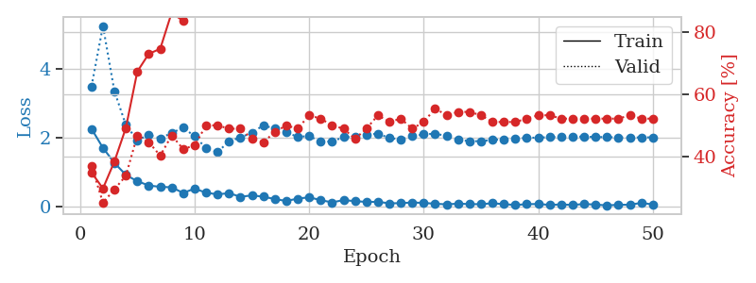
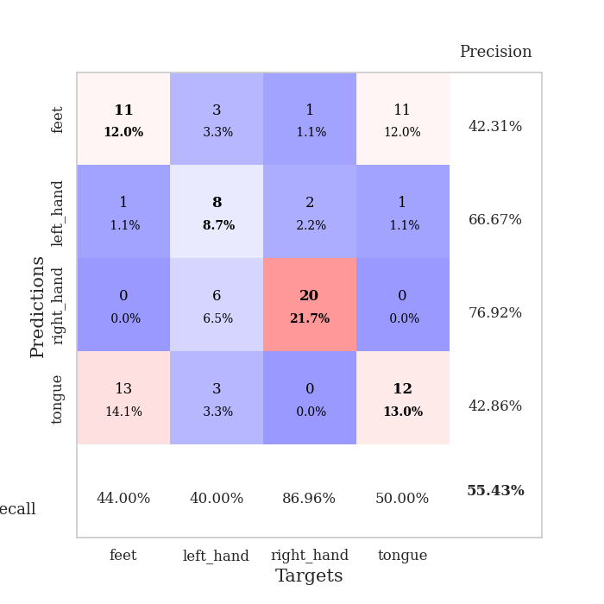
train_loss | valid_loss | train_accuracy | valid_accuracy | dur | train_misclass | valid_misclass
2.2628267288 | 3.5011090818 | 0.34782608696 | 0.36956521739 | 0.036531209946 | 34.782608696 | 36.956521739
1.705153966 | 5.2664633005 | 0.29619565217 | 0.25 | 0.035611867905 | 29.619565217 | 25
1.2665940046 | 3.3597300156 | 0.38315217391 | 0.29347826087 | 0.035283088684 | 38.315217391 | 29.347826087
0.91460022926 | 2.3741482652 | 0.49184782609 | 0.33695652174 | 0.036846160889 | 49.184782609 | 33.695652174
0.73034056425 | 1.9290575204 | 0.67391304348 | 0.46739130435 | 0.034183502197 | 67.391304348 | 46.739130435
0.60704503655 | 2.0833618434 | 0.73097826087 | 0.44565217391 | 0.036059141159 | 73.097826087 | 44.565217391
0.56503977776 | 1.9843513706 | 0.7472826087 | 0.40217391304 | 0.035284519196 | 74.72826087 | 40.217391304
0.55383529067 | 2.1397241458 | 0.86413043478 | 0.46739130435 | 0.034387350082 | 86.413043478 | 46.739130435
0.38728749752 | 2.2954602863 | 0.83695652174 | 0.42391304348 | 0.034306049347 | 83.695652174 | 42.391304348
0.51557632685 | 2.0439977076 | 0.90217391304 | 0.4347826087 | 0.034370422363 | 90.217391304 | 43.47826087
0.39497352242 | 1.6979213746 | 0.9375 | 0.5 | 0.036959648132 | 93.75 | 50
0.34685212374 | 1.5833507388 | 0.94565217391 | 0.5 | 0.035723209381 | 94.565217391 | 50
0.38209927678 | 1.891428424 | 0.92934782609 | 0.48913043478 | 0.035518169403 | 92.934782609 | 48.913043478
0.27571075708 | 2.0106336034 | 0.98369565217 | 0.48913043478 | 0.035471439362 | 98.369565217 | 48.913043478
0.31668608189 | 2.147654352 | 0.97282608696 | 0.45652173913 | 0.035389661789 | 97.282608696 | 45.652173913
0.27929100096 | 2.3621035037 | 0.98913043478 | 0.44565217391 | 0.035444498062 | 98.913043478 | 44.565217391
0.20948554575 | 2.2679208258 | 0.99184782609 | 0.47826086957 | 0.035440921783 | 99.184782609 | 47.826086957
0.15373677909 | 2.1560883211 | 0.97554347826 | 0.5 | 0.035540819168 | 97.554347826 | 50
0.22225131243 | 2.0285561603 | 0.96739130435 | 0.48913043478 | 0.03561258316 | 96.739130435 | 48.913043478
0.2613955915 | 2.0481224734 | 0.96195652174 | 0.53260869565 | 0.035452127457 | 96.195652174 | 53.260869565
0.17896661237 | 1.8868491235 | 0.98641304348 | 0.52173913043 | 0.03554224968 | 98.641304348 | 52.173913043
0.11221804917 | 1.8908221359 | 0.9972826087 | 0.5 | 0.035429239273 | 99.72826087 | 50
0.17996613979 | 2.0186335989 | 1 | 0.48913043478 | 0.035328865051 | 100 | 48.913043478
0.14788968563 | 2.0272059959 | 0.99456521739 | 0.45652173913 | 0.035393238068 | 99.456521739 | 45.652173913
0.12676477805 | 2.0889457879 | 1 | 0.48913043478 | 0.034472703934 | 100 | 48.913043478
0.12847408205 | 2.1209559492 | 1 | 0.53260869565 | 0.035259008408 | 100 | 53.260869565
0.085875631869 | 1.9924843778 | 1 | 0.51086956522 | 0.034398078918 | 100 | 51.086956522
0.08893296048 | 1.9507161534 | 0.9972826087 | 0.52173913043 | 0.034859895706 | 99.72826087 | 52.173913043
0.11088903993 | 2.0464804535 | 0.9972826087 | 0.48913043478 | 0.034739494324 | 99.72826087 | 48.913043478
0.095683242381 | 2.0981528966 | 1 | 0.51086956522 | 0.034772157669 | 100 | 51.086956522
0.073261819407 | 2.1214248253 | 1 | 0.55434782609 | 0.035418272018 | 100 | 55.434782609
0.054449359328 | 2.0522577866 | 1 | 0.53260869565 | 0.035641431808 | 100 | 53.260869565
0.076015547663 | 1.9424107956 | 1 | 0.54347826087 | 0.035403490067 | 100 | 54.347826087
0.062471591681 | 1.8996741202 | 1 | 0.54347826087 | 0.034520149231 | 100 | 54.347826087
0.059612723067 | 1.9017510207 | 1 | 0.53260869565 | 0.034492492676 | 100 | 53.260869565
0.087527705729 | 1.9377703045 | 1 | 0.51086956522 | 0.03511095047 | 100 | 51.086956522
0.060190097615 | 1.9573922935 | 1 | 0.51086956522 | 0.035351037979 | 100 | 51.086956522
0.037573799863 | 1.9790413535 | 1 | 0.51086956522 | 0.035511255264 | 100 | 51.086956522
0.05895543173 | 1.9954833518 | 1 | 0.52173913043 | 0.034677267075 | 100 | 52.173913043
0.06622103937 | 2.0069281381 | 1 | 0.53260869565 | 0.034523487091 | 100 | 53.260869565
0.037940287963 | 2.0170339968 | 1 | 0.53260869565 | 0.034791469574 | 100 | 53.260869565
0.052763299644 | 2.032051755 | 1 | 0.52173913043 | 0.034593343735 | 100 | 52.173913043
0.037311887369 | 2.037226734 | 1 | 0.52173913043 | 0.035540103912 | 100 | 52.173913043
0.065603775531 | 2.030389055 | 1 | 0.52173913043 | 0.034527540207 | 100 | 52.173913043
0.047998394817 | 2.0238591536 | 1 | 0.52173913043 | 0.035067081451 | 100 | 52.173913043
0.024204612896 | 2.0178662539 | 1 | 0.52173913043 | 0.034489870071 | 100 | 52.173913043
0.042794499174 | 2.0116867656 | 1 | 0.52173913043 | 0.034404993057 | 100 | 52.173913043
0.043803844601 | 2.0075545155 | 1 | 0.53260869565 | 0.034673213959 | 100 | 53.260869565
0.09833676666 | 2.0099612112 | 1 | 0.52173913043 | 0.034586191177 | 100 | 52.173913043
0.050834362954 | 2.014365813 | 1 | 0.52173913043 | 0.035488128662 | 100 | 52.173913043

Best Val accuracy is 0.5543478260869565 and Best test accuracy is 0.5862068965517241

Sheet10
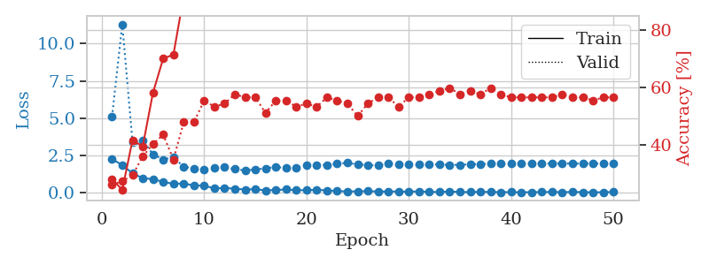
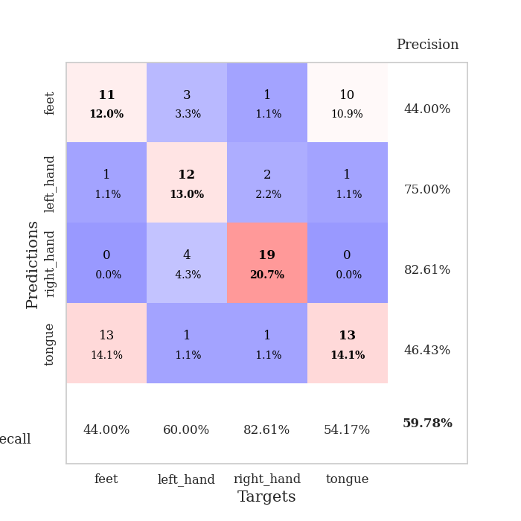
train_loss | valid_loss | train_accuracy | valid_accuracy | dur | train_misclass | valid_misclass
2.2556492329 | 5.0995491069 | 0.27989130435 | 0.26086956522 | 0.038984537125 | 27.989130435 | 26.086956522
1.85857234 | 11.302043334 | 0.24184782609 | 0.27173913043 | 0.038197040558 | 24.184782609 | 27.173913043
1.3048134327 | 3.4152918277 | 0.41576086957 | 0.29347826087 | 0.035385847092 | 41.576086957 | 29.347826087
0.97750241756 | 3.5289130315 | 0.39402173913 | 0.35869565217 | 0.036103487015 | 39.402173913 | 35.869565217
0.91726533175 | 2.5714410906 | 0.58152173913 | 0.40217391304 | 0.035618782043 | 58.152173913 | 40.217391304
0.72307819128 | 2.2336392454 | 0.70108695652 | 0.4347826087 | 0.035473823547 | 70.108695652 | 43.47826087
0.60231631994 | 2.3826220658 | 0.71467391304 | 0.34782608696 | 0.035212278366 | 71.467391304 | 34.782608696
0.62328338623 | 1.7467467292 | 0.91847826087 | 0.47826086957 | 0.034729480743 | 91.847826087 | 47.826086957
0.48938171864 | 1.642303472 | 0.90760869565 | 0.47826086957 | 0.035415649414 | 90.760869565 | 47.826086957
0.48144580126 | 1.574929056 | 0.95380434783 | 0.55434782609 | 0.034702062607 | 95.380434783 | 55.434782609
0.28904006183 | 1.6755689123 | 0.95380434783 | 0.53260869565 | 0.035407304764 | 95.380434783 | 53.260869565
0.32844478786 | 1.7035164263 | 0.94293478261 | 0.54347826087 | 0.035000324249 | 94.293478261 | 54.347826087
0.26938008368 | 1.5916886589 | 0.97282608696 | 0.57608695652 | 0.034962177277 | 97.282608696 | 57.608695652
0.21689209342 | 1.4978229222 | 0.97826086957 | 0.5652173913 | 0.03732585907 | 97.826086957 | 56.52173913
0.23879026771 | 1.5579362693 | 0.98641304348 | 0.5652173913 | 0.035383462906 | 98.641304348 | 56.52173913
0.15991726816 | 1.6369431433 | 0.98369565217 | 0.51086956522 | 0.034739255905 | 98.369565217 | 51.086956522
0.1844423607 | 1.7402158302 | 0.98369565217 | 0.55434782609 | 0.034609079361 | 98.369565217 | 55.434782609
0.22041297853 | 1.6507042284 | 0.98641304348 | 0.55434782609 | 0.034516572952 | 98.641304348 | 55.434782609
0.16592971534 | 1.6715196941 | 0.99456521739 | 0.53260869565 | 0.034722566605 | 99.456521739 | 53.260869565
0.17903226167 | 1.8562587551 | 0.9972826087 | 0.54347826087 | 0.034753799438 | 99.72826087 | 54.347826087
0.19387727231 | 1.8525812989 | 0.99456521739 | 0.53260869565 | 0.034912586212 | 99.456521739 | 53.260869565
0.15714278519 | 1.8774152994 | 0.9972826087 | 0.5652173913 | 0.034443616867 | 99.72826087 | 56.52173913
0.11165484339 | 1.9525660898 | 0.9972826087 | 0.55434782609 | 0.03443479538 | 99.72826087 | 55.434782609
0.089268548787 | 2.0005335082 | 0.9972826087 | 0.54347826087 | 0.03463602066 | 99.72826087 | 54.347826087
0.096055458486 | 1.9086906081 | 1 | 0.5 | 0.034852266312 | 100 | 50
0.10941297188 | 1.8477883235 | 0.99456521739 | 0.54347826087 | 0.034846067429 | 99.456521739 | 54.347826087
0.082066373155 | 1.8415260263 | 0.9972826087 | 0.5652173913 | 0.035052776337 | 99.72826087 | 56.52173913
0.081289188564 | 1.9510590615 | 1 | 0.5652173913 | 0.035127162933 | 100 | 56.52173913
0.087125621364 | 1.9209774577 | 1 | 0.53260869565 | 0.034938812256 | 100 | 53.260869565
0.075329419225 | 1.8828919608 | 1 | 0.5652173913 | 0.035727500916 | 100 | 56.52173913
0.08883068338 | 1.8795976224 | 1 | 0.5652173913 | 0.035880565643 | 100 | 56.52173913
0.061417362839 | 1.89954639 | 1 | 0.57608695652 | 0.034911394119 | 100 | 57.608695652
0.046514905244 | 1.8960103937 | 1 | 0.58695652174 | 0.034467935562 | 100 | 58.695652174
0.089632983878 | 1.8682144828 | 1 | 0.59782608696 | 0.035460710526 | 100 | 59.782608696
0.047968274355 | 1.8777242329 | 1 | 0.57608695652 | 0.036047697067 | 100 | 57.608695652
0.04754063189 | 1.9046949407 | 1 | 0.58695652174 | 0.035031318665 | 100 | 58.695652174
0.058931874856 | 1.9303078444 | 1 | 0.57608695652 | 0.035083532333 | 100 | 57.608695652
0.054202019423 | 1.9410628391 | 1 | 0.59782608696 | 0.034224033356 | 100 | 59.782608696
0.040246179327 | 1.9515743515 | 1 | 0.57608695652 | 0.034712314606 | 100 | 57.608695652
0.044227276742 | 1.9634563871 | 1 | 0.5652173913 | 0.034657239914 | 100 | 56.52173913
0.030515620857 | 1.9662189587 | 1 | 0.5652173913 | 0.034796714783 | 100 | 56.52173913
0.042128671333 | 1.9597660821 | 1 | 0.5652173913 | 0.035015583038 | 100 | 56.52173913
0.044182330742 | 1.9603973005 | 1 | 0.5652173913 | 0.03452038765 | 100 | 56.52173913
0.055286528915 | 1.9624972447 | 1 | 0.5652173913 | 0.038501262665 | 100 | 56.52173913
0.038016207516 | 1.9624991313 | 1 | 0.57608695652 | 0.034438610077 | 100 | 57.608695652
0.054922936112 | 1.9605231544 | 1 | 0.5652173913 | 0.034475564957 | 100 | 56.52173913
0.042045707256 | 1.9583155539 | 1 | 0.5652173913 | 0.034474611282 | 100 | 56.52173913
0.028099139966 | 1.9636274058 | 1 | 0.55434782609 | 0.035189390182 | 100 | 55.434782609
0.038261860423 | 1.9612595206 | 1 | 0.5652173913 | 0.03447508812 | 100 | 56.52173913
0.04974937588 | 1.9603765218 | 1 | 0.5652173913 | 0.034507989883 | 100 | 56.52173913

Best Val accuracy is 0.5978260869565217 and Best test accuracy is 0.5862068965517241

