Sheet
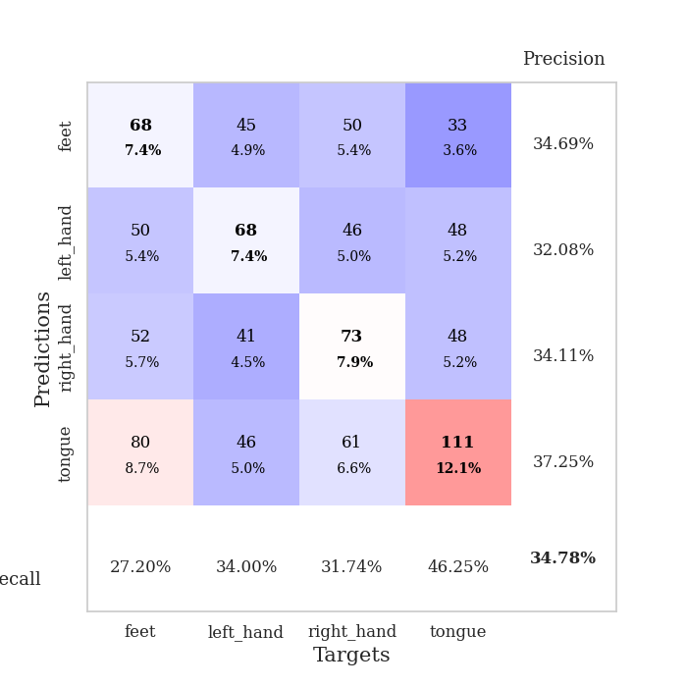
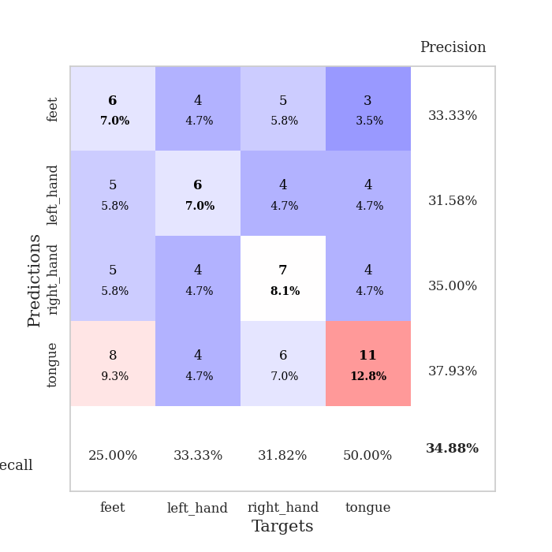
best_val_acc | best_val_los | best_test_acc
0.35869565217 | 2.0369806497 | 0.28448275862
0.3152173913 | 2.1501101618 | 0.23275862069
0.36956521739 | 2.054072888 | 0.26724137931
0.35869565217 | 2.026022797 | 0.22413793103
0.35869565217 | 1.9692280396 | 0.28448275862
0.32608695652 | 2.0406662174 | 0.22413793103
0.33695652174 | 2.1287862736 | 0.23275862069
0.35869565217 | 1.8561554681 | 0.19827586207
0.32608695652 | 2.011253274 | 0.30172413793
0.36956521739 | 1.9737941856 | 0.30172413793

Mean,std Val accuracy is 0.34782608695652173 , 0.019845020199462528 and mean, std test accuracy is 0.25517241379310346 , 0.037067851716315166

Sheet1
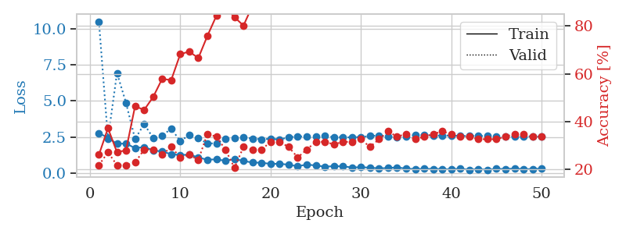
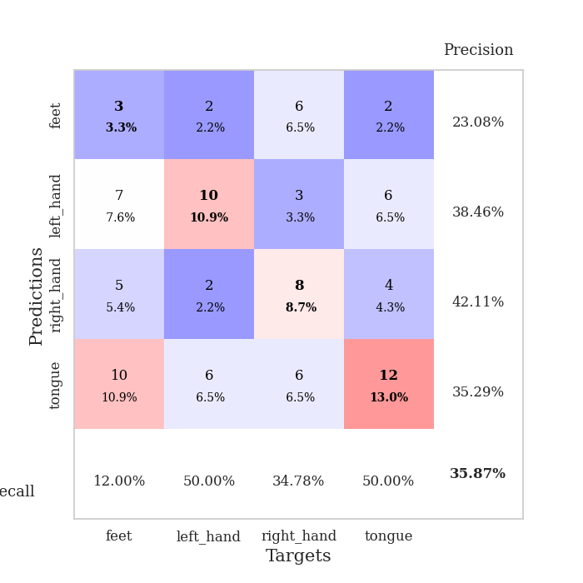
train_loss | valid_loss | train_accuracy | valid_accuracy | dur | train_misclass | valid_misclass
2.7592768192 | 10.485165555 | 0.26086956522 | 0.21739130435 | 0.036439657211 | 26.086956522 | 21.739130435
2.4462575436 | 2.3736963998 | 0.3722826087 | 0.27173913043 | 0.035649299622 | 37.22826087 | 27.173913043
2.017650795 | 6.9212141866 | 0.27173913043 | 0.21739130435 | 0.035086154938 | 27.173913043 | 21.739130435
2.0480077505 | 4.8517711059 | 0.27989130435 | 0.21739130435 | 0.034975528717 | 27.989130435 | 21.739130435
1.7226583004 | 2.3503812914 | 0.46467391304 | 0.22826086957 | 0.03657579422 | 46.467391304 | 22.826086957
1.7991398096 | 3.3870553556 | 0.44836956522 | 0.28260869565 | 0.034997224808 | 44.836956522 | 28.260869565
1.5764013767 | 2.4319564933 | 0.5027173913 | 0.28260869565 | 0.035387516022 | 50.27173913 | 28.260869565
1.4817879677 | 2.5752990557 | 0.57880434783 | 0.26086956522 | 0.034914016724 | 57.880434783 | 26.086956522
1.3117328882 | 3.0781254146 | 0.57336956522 | 0.29347826087 | 0.03481221199 | 57.336956522 | 29.347826087
1.24268471 | 2.2114123365 | 0.68206521739 | 0.25 | 0.03506064415 | 68.206521739 | 25
1.2811662674 | 2.6322482669 | 0.69293478261 | 0.26086956522 | 0.035320281982 | 69.293478261 | 26.086956522
1.0798688769 | 2.4328902908 | 0.66576086957 | 0.23913043478 | 0.034947872162 | 66.576086957 | 23.913043478
0.92061787844 | 2.0369806497 | 0.75815217391 | 0.34782608696 | 0.034410715103 | 75.815217391 | 34.782608696
0.95053825378 | 2.0665196802 | 0.84239130435 | 0.33695652174 | 0.035973310471 | 84.239130435 | 33.695652174
0.84979218245 | 2.3572729463 | 0.8777173913 | 0.28260869565 | 0.035033464432 | 87.77173913 | 28.260869565
0.96495289803 | 2.3948587542 | 0.83695652174 | 0.20652173913 | 0.035162687302 | 83.695652174 | 20.652173913
0.84288542271 | 2.4706361812 | 0.80163043478 | 0.29347826087 | 0.035181045532 | 80.163043478 | 29.347826087
0.72127768993 | 2.3928959784 | 0.88586956522 | 0.28260869565 | 0.034731388092 | 88.586956522 | 28.260869565
0.71968613863 | 2.3382799211 | 0.91032608696 | 0.28260869565 | 0.034684419632 | 91.032608696 | 28.260869565
0.62963249087 | 2.3668390564 | 0.91847826087 | 0.3152173913 | 0.034692287445 | 91.847826087 | 31.52173913
0.64806929827 | 2.3310767568 | 0.8722826087 | 0.3152173913 | 0.034720897675 | 87.22826087 | 31.52173913
0.57431895733 | 2.4636755197 | 0.89673913043 | 0.29347826087 | 0.034491062164 | 89.673913043 | 29.347826087
0.47298199534 | 2.5472885111 | 0.92391304348 | 0.25 | 0.034934520721 | 92.391304348 | 25
0.58520546556 | 2.5150430617 | 0.9402173913 | 0.28260869565 | 0.034425258636 | 94.02173913 | 28.260869565
0.52662938237 | 2.5483879421 | 0.94836956522 | 0.3152173913 | 0.035276412964 | 94.836956522 | 31.52173913
0.44055202007 | 2.5943292224 | 0.95923913043 | 0.3152173913 | 0.034371376038 | 95.923913043 | 31.52173913
0.47894964814 | 2.4755584157 | 0.96739130435 | 0.30434782609 | 0.034214496613 | 96.739130435 | 30.434782609
0.46338917017 | 2.4879254155 | 0.97010869565 | 0.3152173913 | 0.034606933594 | 97.010869565 | 31.52173913
0.38916757107 | 2.4656966458 | 0.98641304348 | 0.3152173913 | 0.034322738647 | 98.641304348 | 31.52173913
0.40408943892 | 2.4972551698 | 0.97826086957 | 0.32608695652 | 0.034941196442 | 97.826086957 | 32.608695652
0.3770213306 | 2.556320802 | 0.98913043478 | 0.29347826087 | 0.034308433533 | 98.913043478 | 29.347826087
0.32132944763 | 2.603484558 | 0.9972826087 | 0.32608695652 | 0.034883737564 | 99.72826087 | 32.608695652
0.35095703602 | 2.5145074077 | 1 | 0.35869565217 | 0.034338474274 | 100 | 35.869565217
0.39319728911 | 2.4800526888 | 0.9972826087 | 0.33695652174 | 0.03581905365 | 99.72826087 | 33.695652174
0.30700295866 | 2.5333306582 | 1 | 0.34782608696 | 0.035183668137 | 100 | 34.782608696
0.27820978761 | 2.6368329318 | 0.9972826087 | 0.32608695652 | 0.034315824509 | 99.72826087 | 32.608695652
0.2910073936 | 2.6369362396 | 0.99456521739 | 0.33695652174 | 0.034685611725 | 99.456521739 | 33.695652174
0.28723084331 | 2.5974347177 | 1 | 0.34782608696 | 0.034572839737 | 100 | 34.782608696
0.27805243134 | 2.5869988359 | 1 | 0.35869565217 | 0.035091161728 | 100 | 35.869565217
0.25464735329 | 2.5990032528 | 1 | 0.34782608696 | 0.034793615341 | 100 | 34.782608696
0.3068647027 | 2.5665587239 | 1 | 0.33695652174 | 0.035157442093 | 100 | 33.695652174
0.22539764047 | 2.5635546601 | 1 | 0.33695652174 | 0.034696817398 | 100 | 33.695652174
0.28625851274 | 2.5668756547 | 1 | 0.32608695652 | 0.036892652512 | 100 | 32.608695652
0.22247433662 | 2.5561700075 | 1 | 0.32608695652 | 0.033985376358 | 100 | 32.608695652
0.29607678652 | 2.547640873 | 1 | 0.32608695652 | 0.034431695938 | 100 | 32.608695652
0.27532025278 | 2.5333529244 | 1 | 0.33695652174 | 0.034167766571 | 100 | 33.695652174
0.31824944019 | 2.5315618204 | 1 | 0.34782608696 | 0.034332275391 | 100 | 34.782608696
0.2694737643 | 2.5293894021 | 1 | 0.34782608696 | 0.034009695053 | 100 | 34.782608696
0.27857036889 | 2.5306382179 | 1 | 0.33695652174 | 0.03399848938 | 100 | 33.695652174
0.31257542074 | 2.5308311504 | 1 | 0.33695652174 | 0.034325838089 | 100 | 33.695652174

Best Val accuracy is 0.358695652173913 and Best test accuracy is 0.28448275862068967

Sheet2
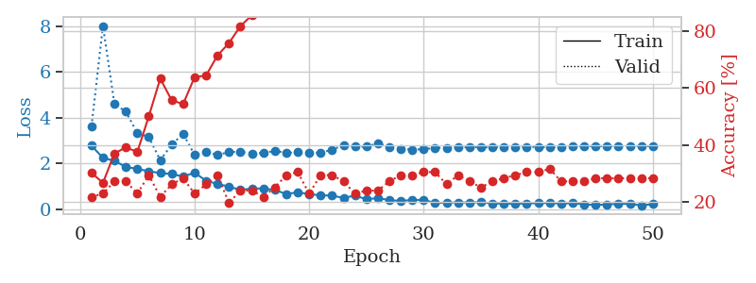
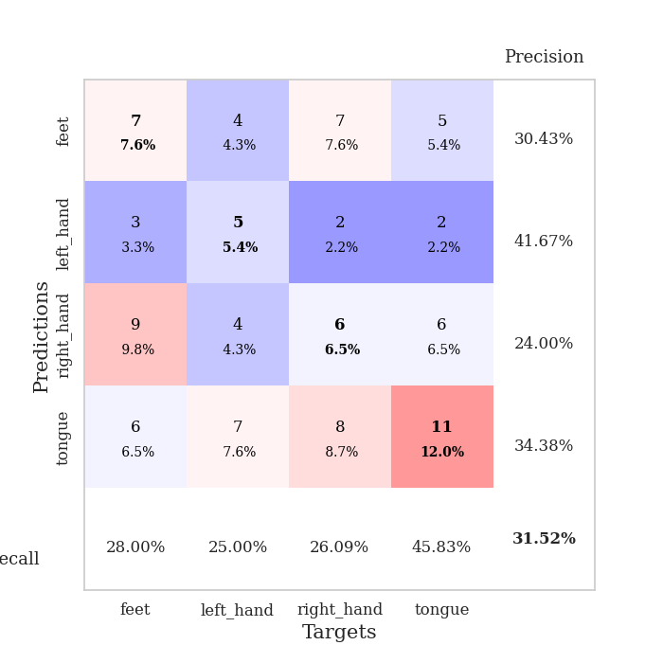
train_loss | valid_loss | train_accuracy | valid_accuracy | dur | train_misclass | valid_misclass
2.7801727057 | 3.6261075061 | 0.30163043478 | 0.21739130435 | 0.036362886429 | 30.163043478 | 21.739130435
2.2429450035 | 8.0132881247 | 0.26630434783 | 0.22826086957 | 0.034794569016 | 26.630434783 | 22.826086957
2.1168252945 | 4.6109632824 | 0.36956521739 | 0.27173913043 | 0.035416603088 | 36.956521739 | 27.173913043
1.8477996349 | 4.2627881403 | 0.39130434783 | 0.27173913043 | 0.035437345505 | 39.130434783 | 27.173913043
1.7676757336 | 3.3357360985 | 0.375 | 0.22826086957 | 0.034653663635 | 37.5 | 22.826086957
1.6587305069 | 3.1585702792 | 0.5 | 0.29347826087 | 0.034317970276 | 50 | 29.347826087
1.5823401928 | 2.1501101618 | 0.63315217391 | 0.21739130435 | 0.035469055176 | 63.315217391 | 21.739130435
1.5388123512 | 2.8177361177 | 0.55706521739 | 0.26086956522 | 0.03439950943 | 55.706521739 | 26.086956522
1.4303731441 | 3.2979266955 | 0.54347826087 | 0.28260869565 | 0.034392118454 | 54.347826087 | 28.260869565
1.5990593672 | 2.3739543376 | 0.63858695652 | 0.22826086957 | 0.034430980682 | 63.858695652 | 22.826086957
1.2461519241 | 2.5136568546 | 0.64402173913 | 0.26086956522 | 0.034795045853 | 64.402173913 | 26.086956522
1.1046740294 | 2.3691239668 | 0.71467391304 | 0.29347826087 | 0.034236431122 | 71.467391304 | 29.347826087
0.99273569584 | 2.5042398909 | 0.75815217391 | 0.19565217391 | 0.036089897156 | 75.815217391 | 19.565217391
0.83866630793 | 2.5138227836 | 0.81793478261 | 0.23913043478 | 0.033270359039 | 81.793478261 | 23.913043478
0.91162405014 | 2.4446668521 | 0.85597826087 | 0.23913043478 | 0.034607410431 | 85.597826087 | 23.913043478
0.90156729221 | 2.456618195 | 0.8722826087 | 0.21739130435 | 0.0341360569 | 87.22826087 | 21.739130435
0.84538103342 | 2.5550300038 | 0.88315217391 | 0.25 | 0.033949136734 | 88.315217391 | 25
0.66544921398 | 2.4633822648 | 0.90217391304 | 0.29347826087 | 0.034733295441 | 90.217391304 | 29.347826087
0.74054505825 | 2.4897710344 | 0.91576086957 | 0.30434782609 | 0.034394741058 | 91.576086957 | 30.434782609
0.65998519659 | 2.4727046282 | 0.92934782609 | 0.22826086957 | 0.035364866257 | 92.934782609 | 22.826086957
0.60714306831 | 2.4677502072 | 0.95108695652 | 0.29347826087 | 0.03525352478 | 95.108695652 | 29.347826087
0.59459972382 | 2.6041335541 | 0.93206521739 | 0.29347826087 | 0.034557819366 | 93.206521739 | 29.347826087
0.4948779583 | 2.8043353558 | 0.92119565217 | 0.27173913043 | 0.034203529358 | 92.119565217 | 27.173913043
0.59658975005 | 2.7446322545 | 0.94293478261 | 0.22826086957 | 0.034695863724 | 94.293478261 | 22.826086957
0.43515873551 | 2.7358053353 | 0.95108695652 | 0.23913043478 | 0.035330057144 | 95.108695652 | 23.913043478
0.48765928745 | 2.8776109219 | 0.92663043478 | 0.23913043478 | 0.0347635746 | 92.663043478 | 23.913043478
0.39827523828 | 2.722852852 | 0.97826086957 | 0.27173913043 | 0.034170150757 | 97.826086957 | 27.173913043
0.36262628436 | 2.6370880915 | 0.98913043478 | 0.29347826087 | 0.033457994461 | 98.913043478 | 29.347826087
0.40540343821 | 2.6020915612 | 0.99456521739 | 0.29347826087 | 0.034656763077 | 99.456521739 | 29.347826087
0.40973212123 | 2.628656605 | 0.98913043478 | 0.30434782609 | 0.033927440643 | 98.913043478 | 30.434782609
0.27092069089 | 2.6795683322 | 0.98641304348 | 0.30434782609 | 0.034820556641 | 98.641304348 | 30.434782609
0.29270628393 | 2.6918185379 | 0.98641304348 | 0.26086956522 | 0.034435510635 | 98.641304348 | 26.086956522
0.29522538781 | 2.7005852409 | 0.98913043478 | 0.29347826087 | 0.034197568893 | 98.913043478 | 29.347826087
0.29569349885 | 2.7096748456 | 1 | 0.27173913043 | 0.035031557083 | 100 | 27.173913043
0.30264213681 | 2.7080072631 | 1 | 0.25 | 0.034220457077 | 100 | 25
0.25677077472 | 2.7077006153 | 1 | 0.27173913043 | 0.034337282181 | 100 | 27.173913043
0.24649401903 | 2.7212316783 | 1 | 0.28260869565 | 0.034341812134 | 100 | 28.260869565
0.24231735468 | 2.7284644376 | 1 | 0.29347826087 | 0.034354925156 | 100 | 29.347826087
0.25322653055 | 2.7329438355 | 0.9972826087 | 0.30434782609 | 0.034897327423 | 99.72826087 | 30.434782609
0.26664032936 | 2.7177762882 | 1 | 0.30434782609 | 0.034140825272 | 100 | 30.434782609
0.27891963422 | 2.7026610271 | 1 | 0.3152173913 | 0.035247325897 | 100 | 31.52173913
0.24539813995 | 2.7240252909 | 1 | 0.27173913043 | 0.035481214523 | 100 | 27.173913043
0.26733545959 | 2.74470576 | 1 | 0.27173913043 | 0.034752607346 | 100 | 27.173913043
0.21769770384 | 2.7595923673 | 1 | 0.27173913043 | 0.034624576569 | 100 | 27.173913043
0.18047026396 | 2.7620395163 | 1 | 0.28260869565 | 0.03430724144 | 100 | 28.260869565
0.2100772053 | 2.7616643698 | 1 | 0.28260869565 | 0.034479141235 | 100 | 28.260869565
0.23754930198 | 2.7609949008 | 1 | 0.28260869565 | 0.034507513046 | 100 | 28.260869565
0.23263797164 | 2.7592822365 | 1 | 0.28260869565 | 0.034350156784 | 100 | 28.260869565
0.1675088793 | 2.7591945192 | 1 | 0.28260869565 | 0.034325838089 | 100 | 28.260869565
0.22451494634 | 2.7597217871 | 1 | 0.28260869565 | 0.034250020981 | 100 | 28.260869565

Best Val accuracy is 0.31521739130434784 and Best test accuracy is 0.23275862068965517

Sheet3
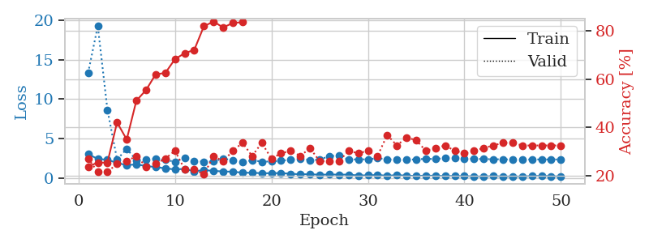
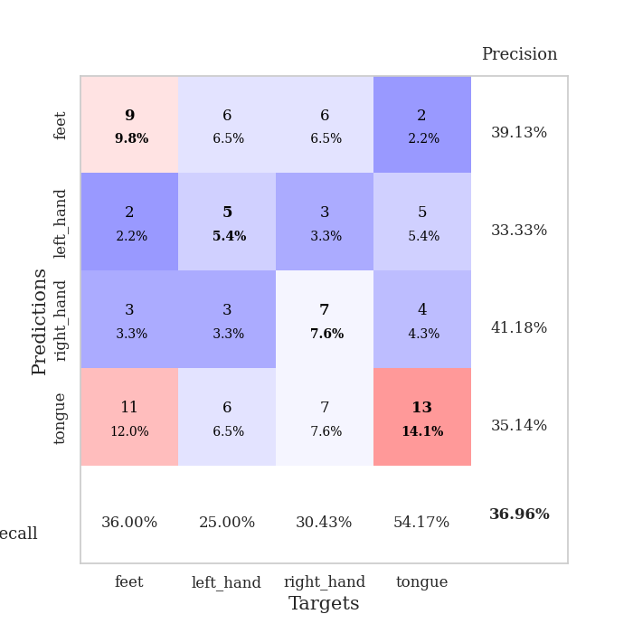
train_loss | valid_loss | train_accuracy | valid_accuracy | dur | train_misclass | valid_misclass
3.0473680735 | 13.324114509 | 0.23913043478 | 0.27173913043 | 0.036253213882 | 23.913043478 | 27.173913043
2.4414290428 | 19.252771626 | 0.25543478261 | 0.21739130435 | 0.034890890121 | 25.543478261 | 21.739130435
2.3410798073 | 8.6430613476 | 0.25543478261 | 0.21739130435 | 0.034652471542 | 25.543478261 | 21.739130435
1.9310984135 | 2.3706711893 | 0.42119565217 | 0.25 | 0.034290313721 | 42.119565217 | 25
1.6620598078 | 3.7119627206 | 0.35054347826 | 0.26086956522 | 0.034775495529 | 35.054347826 | 26.086956522
1.7508731365 | 2.2774388479 | 0.51086956522 | 0.28260869565 | 0.033760547638 | 51.086956522 | 28.260869565
1.5487717867 | 2.395041445 | 0.55434782609 | 0.23913043478 | 0.035175085068 | 55.434782609 | 23.913043478
1.4131595135 | 2.4439065664 | 0.61956521739 | 0.25 | 0.035172700882 | 61.956521739 | 25
1.2490665317 | 2.3362573126 | 0.625 | 0.27173913043 | 0.035043001175 | 62.5 | 27.173913043
1.1196341276 | 2.0723945421 | 0.68206521739 | 0.30434782609 | 0.035234451294 | 68.206521739 | 30.434782609
1.1801569223 | 2.5663984858 | 0.70652173913 | 0.22826086957 | 0.035289049149 | 70.652173913 | 22.826086957
0.86600317955 | 2.2014976792 | 0.72010869565 | 0.22826086957 | 0.035331487656 | 72.010869565 | 22.826086957
1.042205143 | 2.1003245789 | 0.81793478261 | 0.20652173913 | 0.035112380981 | 81.793478261 | 20.652173913
0.9188841939 | 2.1088208012 | 0.83695652174 | 0.28260869565 | 0.03479218483 | 83.695652174 | 28.260869565
0.86494324207 | 2.5005438535 | 0.8125 | 0.26086956522 | 0.034500837326 | 81.25 | 26.086956522
0.81927025318 | 2.2436747758 | 0.83152173913 | 0.30434782609 | 0.034199714661 | 83.152173913 | 30.434782609
0.70652422905 | 2.054072888 | 0.83423913043 | 0.33695652174 | 0.035423517227 | 83.423913043 | 33.695652174
0.68212563992 | 2.270733937 | 0.88858695652 | 0.28260869565 | 0.036039352417 | 88.858695652 | 28.260869565
0.64428987503 | 2.1019446591 | 0.92934782609 | 0.33695652174 | 0.035284519196 | 92.934782609 | 33.695652174
0.63102375865 | 2.1149155368 | 0.92934782609 | 0.27173913043 | 0.035353183746 | 92.934782609 | 27.173913043
0.65775550604 | 2.2220790386 | 0.91576086957 | 0.29347826087 | 0.035257101059 | 91.576086957 | 29.347826087
0.55958687067 | 2.3370239942 | 0.90489130435 | 0.30434782609 | 0.035063505173 | 90.489130435 | 30.434782609
0.50387651324 | 2.5107356465 | 0.90217391304 | 0.28260869565 | 0.034982442856 | 90.217391304 | 28.260869565
0.50943746567 | 2.2866264737 | 0.94565217391 | 0.3152173913 | 0.035182714462 | 94.565217391 | 31.52173913
0.43826819658 | 2.3370877142 | 0.96467391304 | 0.26086956522 | 0.035448789597 | 96.467391304 | 26.086956522
0.46998807788 | 2.8123712229 | 0.94293478261 | 0.26086956522 | 0.03514122963 | 94.293478261 | 26.086956522
0.45661503077 | 2.8373396708 | 0.96195652174 | 0.26086956522 | 0.035145521164 | 96.195652174 | 26.086956522
0.45571722984 | 2.3431744576 | 0.98641304348 | 0.30434782609 | 0.035265684128 | 98.641304348 | 30.434782609
0.34980114698 | 2.3984910405 | 0.98097826087 | 0.29347826087 | 0.034525871277 | 98.097826087 | 29.347826087
0.36375587583 | 2.3808176103 | 0.98913043478 | 0.30434782609 | 0.034373283386 | 98.913043478 | 30.434782609
0.41400301456 | 2.534516687 | 0.97826086957 | 0.28260869565 | 0.034806728363 | 97.826086957 | 28.260869565
0.31543696523 | 2.3970316908 | 0.98369565217 | 0.36956521739 | 0.034348964691 | 98.369565217 | 36.956521739
0.39121246338 | 2.3471291273 | 0.97826086957 | 0.32608695652 | 0.035445451736 | 97.826086957 | 32.608695652
0.33455901742 | 2.3141536091 | 0.98097826087 | 0.35869565217 | 0.034964084625 | 98.097826087 | 35.869565217
0.27253723145 | 2.4021568402 | 0.99184782609 | 0.34782608696 | 0.035256624222 | 99.184782609 | 34.782608696
0.33850648999 | 2.4441849045 | 1 | 0.30434782609 | 0.034885644913 | 100 | 30.434782609
0.30274188817 | 2.4377779235 | 1 | 0.3152173913 | 0.035308837891 | 100 | 31.52173913
0.27837896943 | 2.5284024425 | 1 | 0.32608695652 | 0.035080432892 | 100 | 32.608695652
0.2822404474 | 2.558473245 | 1 | 0.30434782609 | 0.035263776779 | 100 | 30.434782609
0.26214984953 | 2.4974732917 | 1 | 0.29347826087 | 0.035148620605 | 100 | 29.347826087
0.23999356031 | 2.4487068238 | 1 | 0.30434782609 | 0.035114526749 | 100 | 30.434782609
0.21405227482 | 2.4228950998 | 1 | 0.3152173913 | 0.035124063492 | 100 | 31.52173913
0.27267964184 | 2.4043295487 | 1 | 0.32608695652 | 0.034364938736 | 100 | 32.608695652
0.22205684185 | 2.3866406213 | 1 | 0.33695652174 | 0.03418970108 | 100 | 33.695652174
0.2318983078 | 2.3777954786 | 1 | 0.33695652174 | 0.034441947937 | 100 | 33.695652174
0.22192758024 | 2.3743167856 | 1 | 0.32608695652 | 0.035132646561 | 100 | 32.608695652
0.27867706418 | 2.3753368336 | 1 | 0.32608695652 | 0.035114765167 | 100 | 32.608695652
0.28925535679 | 2.3751796536 | 1 | 0.32608695652 | 0.034851789474 | 100 | 32.608695652
0.26031634212 | 2.3750204936 | 1 | 0.32608695652 | 0.034932613373 | 100 | 32.608695652
0.22309235632 | 2.3747552478 | 1 | 0.32608695652 | 0.034198522568 | 100 | 32.608695652

Best Val accuracy is 0.3695652173913043 and Best test accuracy is 0.2672413793103448

Sheet4
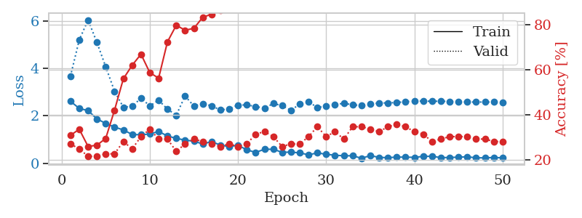
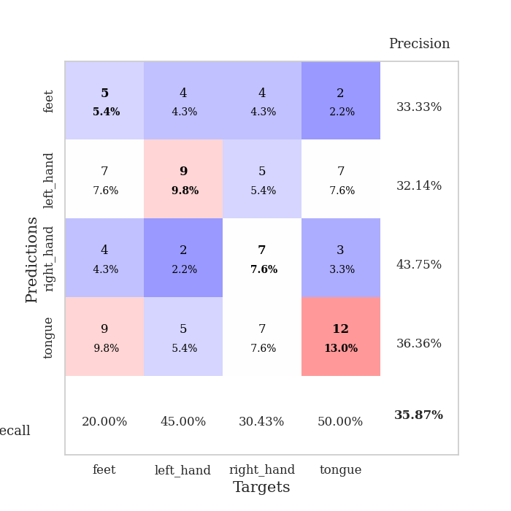
train_loss | valid_loss | train_accuracy | valid_accuracy | dur | train_misclass | valid_misclass
2.613976717 | 3.6671200524 | 0.3097826087 | 0.27173913043 | 0.036074399948 | 30.97826087 | 27.173913043
2.3130654812 | 5.1959205503 | 0.33695652174 | 0.25 | 0.035204410553 | 33.695652174 | 25
2.2192355394 | 6.0343514733 | 0.26086956522 | 0.21739130435 | 0.03476190567 | 26.086956522 | 21.739130435
1.8731532097 | 5.0915089068 | 0.26630434783 | 0.21739130435 | 0.034172296524 | 26.630434783 | 21.739130435
1.6818595409 | 4.0660647931 | 0.29619565217 | 0.22826086957 | 0.035073518753 | 29.619565217 | 22.826086957
1.5267531872 | 3.0371199069 | 0.42119565217 | 0.22826086957 | 0.036734819412 | 42.119565217 | 22.826086957
1.4074831486 | 2.3627881175 | 0.5597826087 | 0.28260869565 | 0.036540985107 | 55.97826087 | 28.260869565
1.2149900317 | 2.4035824019 | 0.61956521739 | 0.25 | 0.036909580231 | 61.956521739 | 25
1.2032285094 | 2.7430960666 | 0.66847826087 | 0.30434782609 | 0.036428451538 | 66.847826087 | 30.434782609
1.2345927238 | 2.4209146914 | 0.58695652174 | 0.33695652174 | 0.037094593048 | 58.695652174 | 33.695652174
1.3430864573 | 2.6582861983 | 0.5625 | 0.29347826087 | 0.036669254303 | 56.25 | 29.347826087
1.1520868421 | 2.2834754094 | 0.72282608696 | 0.29347826087 | 0.037495613098 | 72.282608696 | 29.347826087
1.0520922184 | 2.026022797 | 0.79619565217 | 0.23913043478 | 0.036262512207 | 79.619565217 | 23.913043478
0.97810372114 | 2.8334720135 | 0.77445652174 | 0.27173913043 | 0.036605119705 | 77.445652174 | 27.173913043
0.9344168663 | 2.4128821622 | 0.78260869565 | 0.29347826087 | 0.036568880081 | 78.260869565 | 29.347826087
0.81493638754 | 2.5113417273 | 0.83152173913 | 0.28260869565 | 0.036354780197 | 83.152173913 | 28.260869565
0.91503565311 | 2.4226283923 | 0.84510869565 | 0.27173913043 | 0.036246061325 | 84.510869565 | 27.173913043
0.76901439428 | 2.2440206123 | 0.86413043478 | 0.26086956522 | 0.036645412445 | 86.413043478 | 26.086956522
0.70469278097 | 2.2946967301 | 0.875 | 0.27173913043 | 0.036348342896 | 87.5 | 27.173913043
0.76301229 | 2.4536978887 | 0.91847826087 | 0.26086956522 | 0.03656244278 | 91.847826087 | 26.086956522
0.56951557398 | 2.4595060659 | 0.90217391304 | 0.27173913043 | 0.036380290985 | 90.217391304 | 27.173913043
0.46126246452 | 2.394870105 | 0.93206521739 | 0.3152173913 | 0.037327766418 | 93.206521739 | 31.52173913
0.59358358383 | 2.3186055577 | 0.91847826087 | 0.32608695652 | 0.036320447922 | 91.847826087 | 32.608695652
0.59250794649 | 2.5194353435 | 0.95923913043 | 0.30434782609 | 0.041075468063 | 95.923913043 | 30.434782609
0.46727240086 | 2.4306465232 | 0.96739130435 | 0.26086956522 | 0.034785509109 | 96.739130435 | 26.086956522
0.4713766396 | 2.2339655731 | 0.95923913043 | 0.27173913043 | 0.03376865387 | 95.923913043 | 27.173913043
0.44276706576 | 2.4926224066 | 0.95108695652 | 0.27173913043 | 0.033641815186 | 95.108695652 | 27.173913043
0.3600731343 | 2.5872338233 | 0.95923913043 | 0.30434782609 | 0.034670114517 | 95.923913043 | 30.434782609
0.44012445807 | 2.3541228046 | 0.98369565217 | 0.34782608696 | 0.034069776535 | 98.369565217 | 34.782608696
0.38253214359 | 2.3997172169 | 0.9972826087 | 0.30434782609 | 0.035014867783 | 99.72826087 | 30.434782609
0.34162282348 | 2.4713574078 | 0.99184782609 | 0.32608695652 | 0.03462934494 | 99.184782609 | 32.608695652
0.31865762174 | 2.5285934676 | 0.99184782609 | 0.29347826087 | 0.035790205002 | 99.184782609 | 29.347826087
0.32050781548 | 2.464644712 | 0.99184782609 | 0.34782608696 | 0.033644914627 | 99.184782609 | 34.782608696
0.21603848934 | 2.4365929106 | 0.99184782609 | 0.34782608696 | 0.03379034996 | 99.184782609 | 34.782608696
0.32363720834 | 2.4972466282 | 0.99456521739 | 0.33695652174 | 0.033344268799 | 99.456521739 | 33.695652174
0.25380140841 | 2.5383572578 | 0.99184782609 | 0.32608695652 | 0.033683776855 | 99.184782609 | 32.608695652
0.23883323967 | 2.5471906351 | 0.9972826087 | 0.34782608696 | 0.034321784973 | 99.72826087 | 34.782608696
0.26412791908 | 2.557640905 | 1 | 0.35869565217 | 0.03388261795 | 100 | 35.869565217
0.2611094445 | 2.5997966372 | 1 | 0.34782608696 | 0.034460544586 | 100 | 34.782608696
0.25324973464 | 2.6191900502 | 1 | 0.32608695652 | 0.034237861633 | 100 | 32.608695652
0.29215741456 | 2.6225309061 | 1 | 0.3152173913 | 0.033253908157 | 100 | 31.52173913
0.30028018355 | 2.6108323698 | 1 | 0.28260869565 | 0.034366369247 | 100 | 28.260869565
0.24081155956 | 2.6183584462 | 1 | 0.29347826087 | 0.034331798553 | 100 | 29.347826087
0.24908423722 | 2.6029093887 | 1 | 0.30434782609 | 0.034300327301 | 100 | 30.434782609
0.2587074399 | 2.5889465187 | 1 | 0.30434782609 | 0.034275054932 | 100 | 30.434782609
0.27675252557 | 2.5823126358 | 1 | 0.30434782609 | 0.034297704697 | 100 | 30.434782609
0.23367086351 | 2.5802282147 | 1 | 0.29347826087 | 0.033687114716 | 100 | 29.347826087
0.23286446631 | 2.5800706615 | 1 | 0.29347826087 | 0.033828258514 | 100 | 29.347826087
0.24750315845 | 2.579671103 | 1 | 0.28260869565 | 0.034321546555 | 100 | 28.260869565
0.23344939053 | 2.5782465727 | 1 | 0.28260869565 | 0.034203767776 | 100 | 28.260869565

Best Val accuracy is 0.358695652173913 and Best test accuracy is 0.22413793103448276

Sheet5
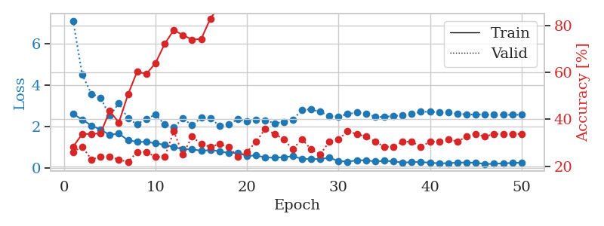
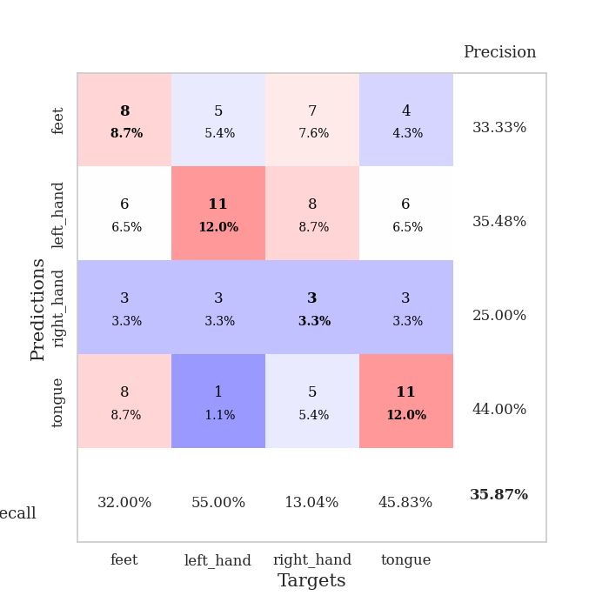
train_loss | valid_loss | train_accuracy | valid_accuracy | dur | train_misclass | valid_misclass
2.6144502878 | 7.0873469477 | 0.28260869565 | 0.26086956522 | 0.036253452301 | 28.260869565 | 26.086956522
2.3379578114 | 4.4899401146 | 0.33695652174 | 0.28260869565 | 0.034471273422 | 33.695652174 | 28.260869565
2.0549780607 | 3.5764898114 | 0.33695652174 | 0.22826086957 | 0.034337520599 | 33.695652174 | 22.826086957
1.8574627161 | 3.3935605028 | 0.33967391304 | 0.23913043478 | 0.035403013229 | 33.967391304 | 23.913043478
1.6071162701 | 2.5169375772 | 0.4347826087 | 0.23913043478 | 0.033566474915 | 43.47826087 | 23.913043478
1.6680593729 | 3.1237554136 | 0.38586956522 | 0.22826086957 | 0.03377532959 | 38.586956522 | 22.826086957
1.3448414803 | 2.3867275197 | 0.50543478261 | 0.21739130435 | 0.034047603607 | 50.543478261 | 21.739130435
1.2743494987 | 2.1124462563 | 0.60326086957 | 0.26086956522 | 0.033700704575 | 60.326086957 | 26.086956522
1.2667039156 | 2.383780438 | 0.59239130435 | 0.26086956522 | 0.03418469429 | 59.239130435 | 26.086956522
1.2045394421 | 2.5731931458 | 0.63858695652 | 0.23913043478 | 0.034559488297 | 63.858695652 | 23.913043478
1.12575351 | 2.1040941321 | 0.72010869565 | 0.23913043478 | 0.034271717072 | 72.010869565 | 23.913043478
1.0276736856 | 1.9692280396 | 0.77989130435 | 0.34782608696 | 0.034437179565 | 77.989130435 | 34.782608696
0.91287007332 | 2.3913864053 | 0.75815217391 | 0.25 | 0.034885644913 | 75.815217391 | 25
0.91746752262 | 2.0614577843 | 0.73913043478 | 0.32608695652 | 0.034020423889 | 73.913043478 | 32.608695652
0.8409638226 | 2.4239440379 | 0.74184782609 | 0.29347826087 | 0.034052371979 | 74.184782609 | 29.347826087
0.87656159401 | 2.408345067 | 0.82880434783 | 0.28260869565 | 0.033946275711 | 82.880434783 | 28.260869565
0.82448891401 | 2.0377642279 | 0.88315217391 | 0.29347826087 | 0.034011363983 | 88.315217391 | 29.347826087
0.72674888372 | 2.1106504876 | 0.91032608696 | 0.28260869565 | 0.034067392349 | 91.032608696 | 28.260869565
0.74862065315 | 2.3602164828 | 0.90760869565 | 0.23913043478 | 0.034022092819 | 90.760869565 | 23.913043478
0.58875438571 | 2.2586304416 | 0.90489130435 | 0.26086956522 | 0.033632516861 | 90.489130435 | 26.086956522
0.62154829502 | 2.314846837 | 0.91576086957 | 0.30434782609 | 0.033001899719 | 91.576086957 | 30.434782609
0.52078696489 | 2.3011961087 | 0.91576086957 | 0.35869565217 | 0.033328056335 | 91.576086957 | 35.869565217
0.50957272649 | 2.1675320708 | 0.95380434783 | 0.33695652174 | 0.034628391266 | 95.380434783 | 33.695652174
0.5339466691 | 2.2212591068 | 0.94565217391 | 0.3152173913 | 0.033397674561 | 94.565217391 | 31.52173913
0.57903066278 | 2.3328505184 | 0.95108695652 | 0.27173913043 | 0.033727407455 | 95.108695652 | 27.173913043
0.46066682339 | 2.8023654482 | 0.90217391304 | 0.3152173913 | 0.033599615097 | 90.217391304 | 31.52173913
0.4431481123 | 2.8351015837 | 0.91576086957 | 0.27173913043 | 0.03388094902 | 91.576086957 | 27.173913043
0.44996931553 | 2.7103568264 | 0.95380434783 | 0.25 | 0.033564805984 | 95.380434783 | 25
0.50687996149 | 2.519093047 | 0.96195652174 | 0.30434782609 | 0.033581018448 | 96.195652174 | 30.434782609
0.3482573092 | 2.48832288 | 0.98097826087 | 0.3152173913 | 0.033993005753 | 98.097826087 | 31.52173913
0.32248466909 | 2.6062969228 | 0.97010869565 | 0.34782608696 | 0.034023761749 | 97.010869565 | 34.782608696
0.38120932579 | 2.6809685852 | 0.98097826087 | 0.33695652174 | 0.033939838409 | 98.097826087 | 33.695652174
0.38870791197 | 2.623478734 | 0.97826086957 | 0.32608695652 | 0.033632278442 | 97.826086957 | 32.608695652
0.32585535944 | 2.47503744 | 0.98913043478 | 0.30434782609 | 0.033597230911 | 98.913043478 | 30.434782609
0.36031356454 | 2.462028576 | 0.99184782609 | 0.28260869565 | 0.033699989319 | 99.184782609 | 28.260869565
0.33632626235 | 2.5178912515 | 0.98913043478 | 0.28260869565 | 0.034139871597 | 98.913043478 | 28.260869565
0.27310872972 | 2.548850837 | 0.99184782609 | 0.30434782609 | 0.033740758896 | 99.184782609 | 30.434782609
0.29806954265 | 2.6017638497 | 0.99184782609 | 0.30434782609 | 0.033525705338 | 99.184782609 | 30.434782609
0.30798220932 | 2.7182694829 | 0.98913043478 | 0.28260869565 | 0.033581733704 | 98.913043478 | 28.260869565
0.26467871964 | 2.7115573261 | 0.98913043478 | 0.30434782609 | 0.033622264862 | 98.913043478 | 30.434782609
0.24352312386 | 2.6959793775 | 0.99456521739 | 0.30434782609 | 0.036109685898 | 99.456521739 | 30.434782609
0.24382551908 | 2.6780175644 | 0.99456521739 | 0.3152173913 | 0.034016132355 | 99.456521739 | 31.52173913
0.2801754564 | 2.6245371466 | 0.9972826087 | 0.30434782609 | 0.034301996231 | 99.72826087 | 30.434782609
0.27258764207 | 2.5886015892 | 0.9972826087 | 0.32608695652 | 0.033626794815 | 99.72826087 | 32.608695652
0.26902813315 | 2.5793762311 | 0.9972826087 | 0.33695652174 | 0.033675670624 | 99.72826087 | 33.695652174
0.2054174006 | 2.5746166706 | 0.9972826087 | 0.32608695652 | 0.033967971802 | 99.72826087 | 32.608695652
0.21704689264 | 2.5703321747 | 0.9972826087 | 0.33695652174 | 0.033555984497 | 99.72826087 | 33.695652174
0.23614503145 | 2.5679852133 | 0.9972826087 | 0.33695652174 | 0.035756826401 | 99.72826087 | 33.695652174
0.25715046227 | 2.5685205771 | 0.9972826087 | 0.33695652174 | 0.035872220993 | 99.72826087 | 33.695652174
0.27152197361 | 2.570864636 | 0.9972826087 | 0.33695652174 | 0.033914327621 | 99.72826087 | 33.695652174

Best Val accuracy is 0.358695652173913 and Best test accuracy is 0.28448275862068967

Sheet6
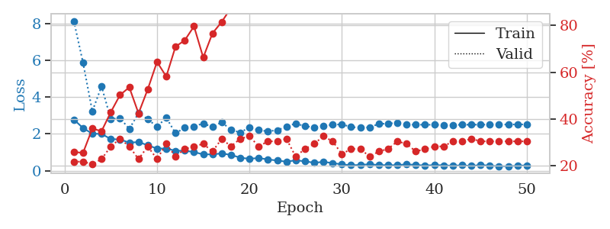
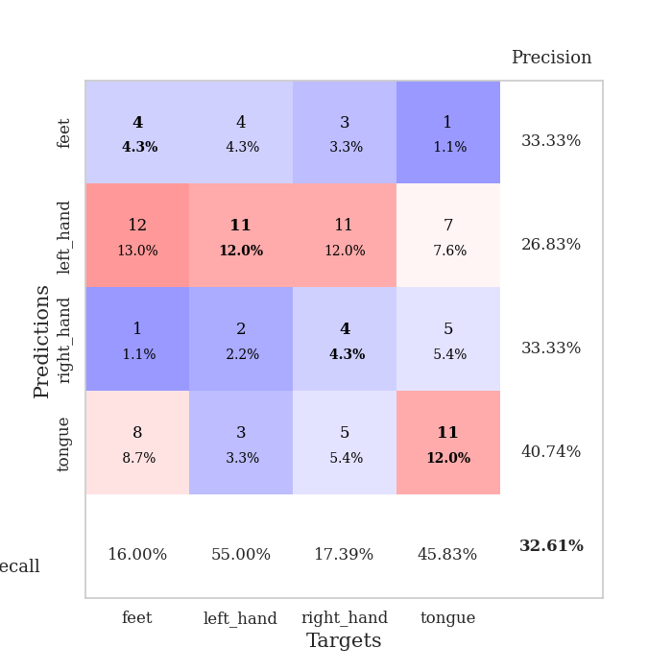
train_loss | valid_loss | train_accuracy | valid_accuracy | dur | train_misclass | valid_misclass
2.7866553307 | 8.1496560677 | 0.25815217391 | 0.21739130435 | 0.03769159317 | 25.815217391 | 21.739130435
2.3170967579 | 5.8665565408 | 0.25543478261 | 0.21739130435 | 0.033448457718 | 25.543478261 | 21.739130435
2.0162276745 | 3.2335186938 | 0.35869565217 | 0.20652173913 | 0.033451080322 | 35.869565217 | 20.652173913
1.9997395992 | 4.5911163869 | 0.34782608696 | 0.22826086957 | 0.032918691635 | 34.782608696 | 22.826086957
1.722154665 | 2.8100004611 | 0.42934782609 | 0.28260869565 | 0.033742666245 | 42.934782609 | 28.260869565
1.6986174822 | 2.8650202544 | 0.5027173913 | 0.3152173913 | 0.034182548523 | 50.27173913 | 31.52173913
1.5259666204 | 2.2698029954 | 0.53532608696 | 0.28260869565 | 0.0340051651 | 53.532608696 | 28.260869565
1.5572019339 | 3.1347313238 | 0.42391304348 | 0.22826086957 | 0.034490585327 | 42.391304348 | 22.826086957
1.3848150492 | 2.8018201019 | 0.52717391304 | 0.28260869565 | 0.034230709076 | 52.717391304 | 28.260869565
1.202400589 | 2.3923000875 | 0.64402173913 | 0.22826086957 | 0.033270835876 | 64.402173913 | 22.826086957
1.2078556895 | 2.8841757774 | 0.58152173913 | 0.29347826087 | 0.0330722332 | 58.152173913 | 29.347826087
1.0814181089 | 2.0406662174 | 0.70923913043 | 0.23913043478 | 0.033531427383 | 70.923913043 | 23.913043478
1.084220767 | 2.3326798107 | 0.73641304348 | 0.27173913043 | 0.033070802689 | 73.641304348 | 27.173913043
1.0153223038 | 2.4131180825 | 0.79619565217 | 0.28260869565 | 0.033010482788 | 79.619565217 | 28.260869565
0.88168495893 | 2.5710947514 | 0.66304347826 | 0.29347826087 | 0.032937049866 | 66.304347826 | 29.347826087
0.89235895872 | 2.376932621 | 0.76630434783 | 0.26086956522 | 0.033837556839 | 76.630434783 | 26.086956522
0.93563722372 | 2.6388197671 | 0.8152173913 | 0.3152173913 | 0.034160375595 | 81.52173913 | 31.52173913
0.85933045149 | 2.2208235989 | 0.875 | 0.28260869565 | 0.033847808838 | 87.5 | 28.260869565
0.70649952888 | 2.0796552171 | 0.88315217391 | 0.3152173913 | 0.033687353134 | 88.315217391 | 31.52173913
0.64532548189 | 2.3564986872 | 0.90760869565 | 0.32608695652 | 0.033820390701 | 90.760869565 | 32.608695652
0.69034326077 | 2.2059114809 | 0.91032608696 | 0.28260869565 | 0.034129858017 | 91.032608696 | 28.260869565
0.60856866241 | 2.1435766427 | 0.96195652174 | 0.30434782609 | 0.033811807632 | 96.195652174 | 30.434782609
0.55453135967 | 2.2044668923 | 0.9402173913 | 0.30434782609 | 0.034307003021 | 94.02173913 | 30.434782609
0.48735489845 | 2.3905262221 | 0.93206521739 | 0.3152173913 | 0.034298658371 | 93.206521739 | 31.52173913
0.56499568224 | 2.5743461899 | 0.91032608696 | 0.23913043478 | 0.03422665596 | 91.032608696 | 23.913043478
0.50877848864 | 2.416795544 | 0.9402173913 | 0.27173913043 | 0.034213542938 | 94.02173913 | 27.173913043
0.42997707725 | 2.3638512363 | 0.97554347826 | 0.29347826087 | 0.034061670303 | 97.554347826 | 29.347826087
0.47752991915 | 2.4360124547 | 0.97282608696 | 0.32608695652 | 0.034103631973 | 97.282608696 | 32.608695652
0.4151303947 | 2.5047868646 | 0.97282608696 | 0.30434782609 | 0.034319162369 | 97.282608696 | 30.434782609
0.34188494384 | 2.52141598 | 0.97826086957 | 0.25 | 0.033353328705 | 97.826086957 | 25
0.29548815191 | 2.3787997184 | 0.98913043478 | 0.27173913043 | 0.033914804459 | 98.913043478 | 27.173913043
0.30970017612 | 2.3323502437 | 0.99184782609 | 0.27173913043 | 0.033349514008 | 99.184782609 | 27.173913043
0.35233063102 | 2.3644125151 | 0.99184782609 | 0.23913043478 | 0.034219503403 | 99.184782609 | 23.913043478
0.30210855007 | 2.542920548 | 0.99184782609 | 0.26086956522 | 0.034245252609 | 99.184782609 | 26.086956522
0.30071791112 | 2.5682417828 | 0.98369565217 | 0.27173913043 | 0.034055233002 | 98.369565217 | 27.173913043
0.29437817633 | 2.5984253365 | 0.98369565217 | 0.30434782609 | 0.034353017807 | 98.369565217 | 30.434782609
0.35043762922 | 2.5032332565 | 0.98913043478 | 0.29347826087 | 0.03333735466 | 98.913043478 | 29.347826087
0.30713457465 | 2.5050438591 | 0.9972826087 | 0.26086956522 | 0.03330206871 | 99.72826087 | 26.086956522
0.28212662339 | 2.5010258115 | 0.9972826087 | 0.27173913043 | 0.033876180649 | 99.72826087 | 27.173913043
0.30075128376 | 2.500783941 | 1 | 0.28260869565 | 0.034299373627 | 100 | 28.260869565
0.29256655872 | 2.4902758909 | 1 | 0.28260869565 | 0.034260749817 | 100 | 28.260869565
0.26558094323 | 2.4931819024 | 1 | 0.30434782609 | 0.034255027771 | 100 | 30.434782609
0.29373583794 | 2.5001565788 | 1 | 0.30434782609 | 0.034106016159 | 100 | 30.434782609
0.2539193213 | 2.5031628816 | 1 | 0.3152173913 | 0.034242868423 | 100 | 31.52173913
0.30823045373 | 2.505766796 | 1 | 0.30434782609 | 0.03409910202 | 100 | 30.434782609
0.27150788307 | 2.5087207089 | 1 | 0.30434782609 | 0.034224271774 | 100 | 30.434782609
0.2420404464 | 2.5115446008 | 1 | 0.30434782609 | 0.034133672714 | 100 | 30.434782609
0.24305956662 | 2.5150246206 | 1 | 0.30434782609 | 0.034196853638 | 100 | 30.434782609
0.26549765468 | 2.5172013304 | 1 | 0.30434782609 | 0.033813476562 | 100 | 30.434782609
0.28898348212 | 2.5186761669 | 1 | 0.30434782609 | 0.033386707306 | 100 | 30.434782609

Best Val accuracy is 0.32608695652173914 and Best test accuracy is 0.22413793103448276

Sheet7
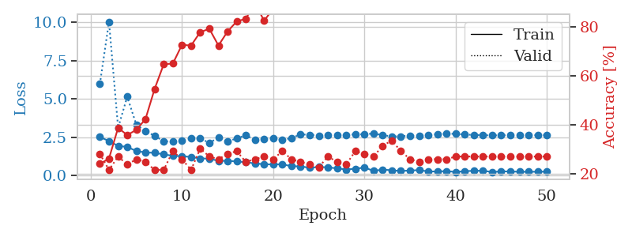
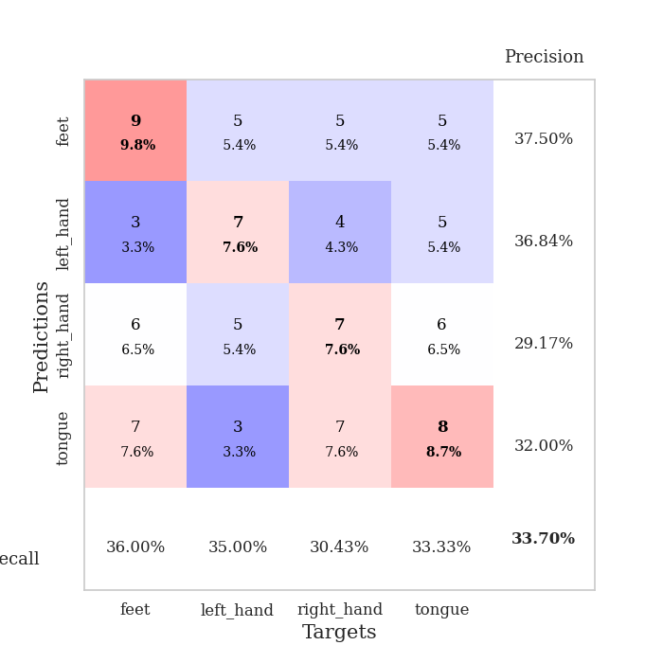
train_loss | valid_loss | train_accuracy | valid_accuracy | dur | train_misclass | valid_misclass
2.5028473139 | 5.9639560658 | 0.24184782609 | 0.28260869565 | 0.035737276077 | 24.184782609 | 28.260869565
2.2412094831 | 10.037819199 | 0.26358695652 | 0.21739130435 | 0.034685611725 | 26.358695652 | 21.739130435
1.9201691866 | 3.1067544066 | 0.38858695652 | 0.27173913043 | 0.034391403198 | 38.858695652 | 27.173913043
1.8586055756 | 5.1404042037 | 0.35869565217 | 0.23913043478 | 0.033568382263 | 35.869565217 | 23.913043478
1.5871590614 | 3.2989156246 | 0.38043478261 | 0.26086956522 | 0.033310413361 | 38.043478261 | 26.086956522
1.4958165884 | 2.8954093975 | 0.42391304348 | 0.25 | 0.033416509628 | 42.391304348 | 25
1.470528698 | 2.5804654619 | 0.54619565217 | 0.21739130435 | 0.033590078354 | 54.619565217 | 21.739130435
1.3677947283 | 2.2226677252 | 0.64673913043 | 0.21739130435 | 0.034722805023 | 64.673913043 | 21.739130435
1.275908947 | 2.2173471658 | 0.64945652174 | 0.29347826087 | 0.033924341202 | 64.945652174 | 29.347826087
1.2501823545 | 2.2497456592 | 0.72554347826 | 0.26086956522 | 0.034965276718 | 72.554347826 | 26.086956522
1.2010436535 | 2.4037819738 | 0.72282608696 | 0.21739130435 | 0.03449845314 | 72.282608696 | 21.739130435
1.1029746413 | 2.4032086393 | 0.77717391304 | 0.30434782609 | 0.033661603928 | 77.717391304 | 30.434782609
1.0942387462 | 2.1287862736 | 0.79076086957 | 0.27173913043 | 0.03474521637 | 79.076086957 | 27.173913043
0.94337619543 | 2.4520444974 | 0.72282608696 | 0.26086956522 | 0.034749746323 | 72.282608696 | 26.086956522
0.94741677046 | 2.1967717876 | 0.77989130435 | 0.28260869565 | 0.03403377533 | 77.989130435 | 28.260869565
0.9074613452 | 2.4211947089 | 0.82065217391 | 0.29347826087 | 0.033586025238 | 82.065217391 | 29.347826087
0.85392427444 | 2.6103208583 | 0.83152173913 | 0.25 | 0.033589839935 | 83.152173913 | 25
0.77901010513 | 2.3374385212 | 0.89673913043 | 0.26086956522 | 0.03372168541 | 89.673913043 | 26.086956522
0.72344528437 | 2.3465758718 | 0.82336956522 | 0.27173913043 | 0.034595966339 | 82.336956522 | 27.173913043
0.7130633235 | 2.4135742498 | 0.8722826087 | 0.26086956522 | 0.03448677063 | 87.22826087 | 26.086956522
0.72258105278 | 2.3085053174 | 0.91304347826 | 0.29347826087 | 0.034558773041 | 91.304347826 | 29.347826087
0.59438567758 | 2.4386083976 | 0.92934782609 | 0.26086956522 | 0.034494638443 | 92.934782609 | 26.086956522
0.58771487474 | 2.6770697677 | 0.91576086957 | 0.25 | 0.034305334091 | 91.576086957 | 25
0.49136884212 | 2.6481030817 | 0.9347826087 | 0.23913043478 | 0.034576177597 | 93.47826087 | 23.913043478
0.54945061207 | 2.5932446044 | 0.92663043478 | 0.22826086957 | 0.03644323349 | 92.663043478 | 22.826086957
0.51954779029 | 2.6057023691 | 0.94293478261 | 0.27173913043 | 0.03470492363 | 94.293478261 | 27.173913043
0.45599557757 | 2.6356139805 | 0.97554347826 | 0.25 | 0.033931493759 | 97.554347826 | 25
0.38326522708 | 2.613961396 | 0.97826086957 | 0.23913043478 | 0.033708572388 | 97.826086957 | 23.913043478
0.42558743954 | 2.6877741503 | 0.97282608696 | 0.29347826087 | 0.033664703369 | 97.282608696 | 29.347826087
0.51287640333 | 2.6801731897 | 0.99184782609 | 0.28260869565 | 0.033905982971 | 99.184782609 | 28.260869565
0.28953634202 | 2.7326106818 | 0.99456521739 | 0.27173913043 | 0.033888339996 | 99.456521739 | 27.173913043
0.37410439253 | 2.6286715321 | 0.99456521739 | 0.3152173913 | 0.03360247612 | 99.456521739 | 31.52173913
0.33073790669 | 2.5418822247 | 1 | 0.33695652174 | 0.035070180893 | 100 | 33.695652174
0.28156517148 | 2.548766074 | 1 | 0.29347826087 | 0.034938573837 | 100 | 29.347826087
0.31593199968 | 2.6023775287 | 1 | 0.26086956522 | 0.034284830093 | 100 | 26.086956522
0.33851376772 | 2.5751598814 | 1 | 0.25 | 0.033751487732 | 100 | 25
0.25478534997 | 2.6274505491 | 1 | 0.26086956522 | 0.033819437027 | 100 | 26.086956522
0.24945153892 | 2.6951354794 | 1 | 0.26086956522 | 0.033782720566 | 100 | 26.086956522
0.27695848048 | 2.7189902741 | 1 | 0.26086956522 | 0.033727884293 | 100 | 26.086956522
0.22070517242 | 2.7097428156 | 1 | 0.27173913043 | 0.034012556076 | 100 | 27.173913043
0.27192110419 | 2.6671299416 | 1 | 0.27173913043 | 0.034046173096 | 100 | 27.173913043
0.29452118278 | 2.6387613338 | 1 | 0.27173913043 | 0.034055233002 | 100 | 27.173913043
0.30015496612 | 2.6192519872 | 1 | 0.27173913043 | 0.034239530563 | 100 | 27.173913043
0.21618062258 | 2.6115885507 | 1 | 0.27173913043 | 0.033813476562 | 100 | 27.173913043
0.26128836572 | 2.6119755766 | 1 | 0.27173913043 | 0.03369307518 | 100 | 27.173913043
0.24969549179 | 2.6197337171 | 1 | 0.27173913043 | 0.033730268478 | 100 | 27.173913043
0.23505901098 | 2.6239085094 | 1 | 0.27173913043 | 0.034085273743 | 100 | 27.173913043
0.23096792698 | 2.6226981412 | 1 | 0.27173913043 | 0.033691883087 | 100 | 27.173913043
0.23707953095 | 2.6232441716 | 1 | 0.27173913043 | 0.033628940582 | 100 | 27.173913043
0.24131230116 | 2.6235563029 | 1 | 0.27173913043 | 0.03364276886 | 100 | 27.173913043

Best Val accuracy is 0.33695652173913043 and Best test accuracy is 0.23275862068965517

Sheet8
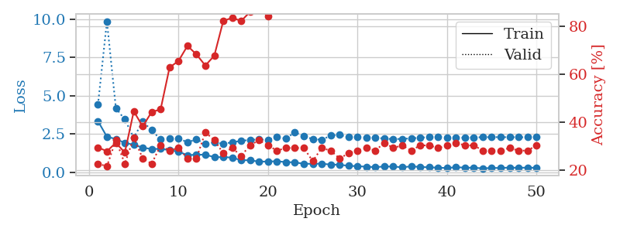
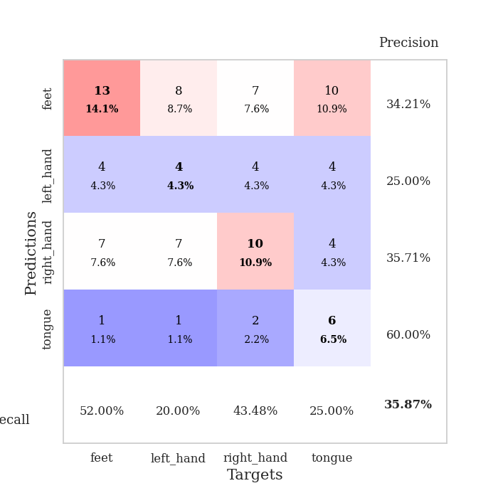
train_loss | valid_loss | train_accuracy | valid_accuracy | dur | train_misclass | valid_misclass
3.3464677811 | 4.4175390783 | 0.29619565217 | 0.22826086957 | 0.035878181458 | 29.619565217 | 22.826086957
2.3226667166 | 9.8773530048 | 0.27989130435 | 0.21739130435 | 0.034942865372 | 27.989130435 | 21.739130435
2.1770178556 | 4.1950314771 | 0.3152173913 | 0.32608695652 | 0.033912420273 | 31.52173913 | 32.608695652
1.9192414284 | 3.4525747714 | 0.27445652174 | 0.22826086957 | 0.034636735916 | 27.445652174 | 22.826086957
1.8026189566 | 2.2559351869 | 0.44565217391 | 0.33695652174 | 0.033868551254 | 44.565217391 | 33.695652174
1.6107963562 | 3.3290815146 | 0.38315217391 | 0.25 | 0.035001516342 | 38.315217391 | 25
1.5176872969 | 2.747503063 | 0.44293478261 | 0.22826086957 | 0.03377366066 | 44.293478261 | 22.826086957
1.5327689886 | 2.1454741437 | 0.45380434783 | 0.30434782609 | 0.033695459366 | 45.380434783 | 30.434782609
1.4481117725 | 2.1937821741 | 0.6277173913 | 0.28260869565 | 0.033703565598 | 62.77173913 | 28.260869565
1.3461842775 | 2.2255465466 | 0.65489130435 | 0.29347826087 | 0.033797740936 | 65.489130435 | 29.347826087
1.1190007329 | 1.9598847006 | 0.71739130435 | 0.25 | 0.034367084503 | 71.739130435 | 25
1.1491108656 | 2.1583493637 | 0.68206521739 | 0.25 | 0.034108877182 | 68.206521739 | 25
1.1489589453 | 1.8570660353 | 0.63586956522 | 0.35869565217 | 0.033737897873 | 63.586956522 | 35.869565217
0.98884141445 | 1.9645132708 | 0.67663043478 | 0.32608695652 | 0.035014390945 | 67.663043478 | 32.608695652
0.98832918406 | 1.8561554681 | 0.82065217391 | 0.27173913043 | 0.033743619919 | 82.065217391 | 27.173913043
0.96328501701 | 1.9674190335 | 0.83423913043 | 0.29347826087 | 0.0337433815 | 83.423913043 | 29.347826087
0.78685953617 | 2.0509745867 | 0.82065217391 | 0.26086956522 | 0.033699035645 | 82.065217391 | 26.086956522
0.78815578222 | 2.1221167678 | 0.85869565217 | 0.30434782609 | 0.033666849136 | 85.869565217 | 30.434782609
0.69130072594 | 2.1394507367 | 0.8722826087 | 0.32608695652 | 0.033671140671 | 87.22826087 | 32.608695652
0.70515328646 | 2.1203294733 | 0.83967391304 | 0.30434782609 | 0.034061908722 | 83.967391304 | 30.434782609
0.71807926893 | 2.3274946005 | 0.875 | 0.28260869565 | 0.033611536026 | 87.5 | 28.260869565
0.66635507345 | 2.1940605951 | 0.91032608696 | 0.29347826087 | 0.033697843552 | 91.032608696 | 29.347826087
0.64793092012 | 2.6195330309 | 0.88043478261 | 0.29347826087 | 0.033601284027 | 88.043478261 | 29.347826087
0.55350652933 | 2.3444771663 | 0.91847826087 | 0.29347826087 | 0.034111738205 | 91.847826087 | 29.347826087
0.55598524809 | 2.1778135922 | 0.92934782609 | 0.23913043478 | 0.033807992935 | 92.934782609 | 23.913043478
0.56083163619 | 2.1211820893 | 0.94836956522 | 0.29347826087 | 0.033537626266 | 94.836956522 | 29.347826087
0.50189902782 | 2.3966352732 | 0.94836956522 | 0.28260869565 | 0.033734083176 | 94.836956522 | 28.260869565
0.49358463287 | 2.4420878473 | 0.94836956522 | 0.25 | 0.03363609314 | 94.836956522 | 25
0.41961157024 | 2.3029408351 | 0.96195652174 | 0.27173913043 | 0.033749103546 | 96.195652174 | 27.173913043
0.39963163733 | 2.3234292632 | 0.95380434783 | 0.28260869565 | 0.033658027649 | 95.380434783 | 28.260869565
0.36082997918 | 2.2528634071 | 0.97826086957 | 0.29347826087 | 0.033900499344 | 97.826086957 | 29.347826087
0.33749735355 | 2.2707676939 | 0.99456521739 | 0.28260869565 | 0.033715009689 | 99.456521739 | 28.260869565
0.37295469046 | 2.2009625798 | 0.9972826087 | 0.3152173913 | 0.035573482513 | 99.72826087 | 31.52173913
0.37200499773 | 2.1697129529 | 0.99456521739 | 0.29347826087 | 0.035929441452 | 99.456521739 | 29.347826087
0.32508440018 | 2.1846751493 | 0.9972826087 | 0.30434782609 | 0.034420013428 | 99.72826087 | 30.434782609
0.38449963331 | 2.2178961609 | 0.9972826087 | 0.28260869565 | 0.033582925797 | 99.72826087 | 28.260869565
0.349317348 | 2.256810266 | 0.9972826087 | 0.30434782609 | 0.033508300781 | 99.72826087 | 30.434782609
0.32213867903 | 2.3031855822 | 0.9972826087 | 0.30434782609 | 0.034286975861 | 99.72826087 | 30.434782609
0.3018715024 | 2.3136986909 | 0.9972826087 | 0.29347826087 | 0.034344911575 | 99.72826087 | 29.347826087
0.27700235248 | 2.2733742206 | 0.9972826087 | 0.30434782609 | 0.033755540848 | 99.72826087 | 30.434782609
0.33044500649 | 2.2511699148 | 1 | 0.3152173913 | 0.033797979355 | 100 | 31.52173913
0.3023961246 | 2.259941355 | 1 | 0.30434782609 | 0.033721446991 | 100 | 30.434782609
0.29777450264 | 2.2825959506 | 0.9972826087 | 0.30434782609 | 0.033699035645 | 99.72826087 | 30.434782609
0.25290446877 | 2.2913940419 | 0.9972826087 | 0.28260869565 | 0.036614656448 | 99.72826087 | 28.260869565
0.28400080204 | 2.2978542421 | 0.9972826087 | 0.28260869565 | 0.033923149109 | 99.72826087 | 28.260869565
0.2782946229 | 2.2965251259 | 0.9972826087 | 0.28260869565 | 0.033190727234 | 99.72826087 | 28.260869565
0.30946964324 | 2.2930199167 | 0.9972826087 | 0.29347826087 | 0.033743143082 | 99.72826087 | 29.347826087
0.29097248614 | 2.2907587134 | 0.9972826087 | 0.28260869565 | 0.033806562424 | 99.72826087 | 28.260869565
0.30532296896 | 2.2904184901 | 0.9972826087 | 0.28260869565 | 0.033318042755 | 99.72826087 | 28.260869565
0.29117102027 | 2.2897249616 | 0.9972826087 | 0.30434782609 | 0.033679246902 | 99.72826087 | 30.434782609

Best Val accuracy is 0.358695652173913 and Best test accuracy is 0.19827586206896552

Sheet9
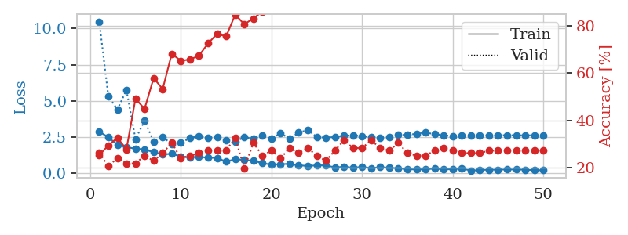
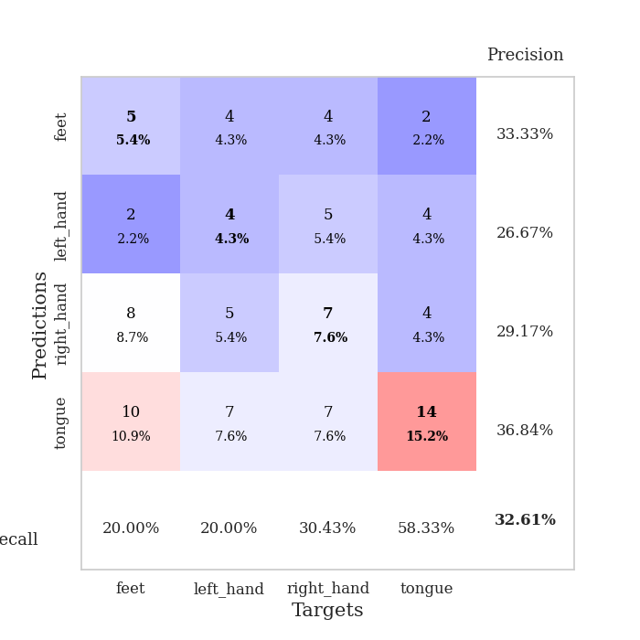
train_loss | valid_loss | train_accuracy | valid_accuracy | dur | train_misclass | valid_misclass
2.8858763695 | 10.47339684 | 0.2527173913 | 0.26086956522 | 0.035434484482 | 25.27173913 | 26.086956522
2.4995670795 | 5.3297732187 | 0.29347826087 | 0.20652173913 | 0.034075737 | 29.347826087 | 20.652173913
1.9807041168 | 4.4168515413 | 0.32608695652 | 0.23913043478 | 0.032753944397 | 32.608695652 | 23.913043478
1.8042749405 | 5.7451094337 | 0.27717391304 | 0.21739130435 | 0.032520771027 | 27.717391304 | 21.739130435
1.7184958458 | 2.3701171771 | 0.49184782609 | 0.21739130435 | 0.032455444336 | 49.184782609 | 21.739130435
1.6481658697 | 3.6428581632 | 0.44836956522 | 0.25 | 0.032825946808 | 44.836956522 | 25
1.4736279011 | 2.1971995882 | 0.57880434783 | 0.22826086957 | 0.032769203186 | 57.880434783 | 22.826086957
1.3130572319 | 2.5344406936 | 0.53260869565 | 0.26086956522 | 0.033031225204 | 53.260869565 | 26.086956522
1.3612362862 | 2.011253274 | 0.68206521739 | 0.30434782609 | 0.033085823059 | 68.206521739 | 30.434782609
1.170016706 | 2.1249302574 | 0.65217391304 | 0.23913043478 | 0.033739566803 | 65.217391304 | 23.913043478
1.1041285753 | 2.4298312249 | 0.65760869565 | 0.25 | 0.033053874969 | 65.760869565 | 25
1.1541522026 | 2.5841639871 | 0.67391304348 | 0.26086956522 | 0.03303527832 | 67.391304348 | 26.086956522
1.0850601792 | 2.4717796885 | 0.72554347826 | 0.27173913043 | 0.032940626144 | 72.554347826 | 27.173913043
1.0762306452 | 2.5048595408 | 0.76630434783 | 0.27173913043 | 0.033005714417 | 76.630434783 | 27.173913043
0.81216500998 | 2.2885473604 | 0.75543478261 | 0.27173913043 | 0.033008575439 | 75.543478261 | 27.173913043
0.99630805254 | 2.1976568388 | 0.84782608696 | 0.32608695652 | 0.033004999161 | 84.782608696 | 32.608695652
0.92145367861 | 2.5036026499 | 0.80706521739 | 0.19565217391 | 0.033540964127 | 80.706521739 | 19.565217391
0.87996379137 | 2.3938466051 | 0.83152173913 | 0.30434782609 | 0.032481908798 | 83.152173913 | 30.434782609
0.71007021666 | 2.6123064394 | 0.86141304348 | 0.25 | 0.032600402832 | 86.141304348 | 25
0.60679229498 | 2.3999977008 | 0.89945652174 | 0.27173913043 | 0.032552480698 | 89.945652174 | 27.173913043
0.64405190945 | 2.7675289175 | 0.89673913043 | 0.23913043478 | 0.032502889633 | 89.673913043 | 23.913043478
0.66098195314 | 2.4142253088 | 0.92663043478 | 0.28260869565 | 0.032504796982 | 92.663043478 | 28.260869565
0.55791577697 | 2.8179385662 | 0.90489130435 | 0.26086956522 | 0.032477617264 | 90.489130435 | 26.086956522
0.5244599402 | 2.9936528413 | 0.91847826087 | 0.28260869565 | 0.03239941597 | 91.847826087 | 28.260869565
0.55106303692 | 2.528727407 | 0.95108695652 | 0.25 | 0.032387256622 | 95.108695652 | 25
0.56396913528 | 2.4681828022 | 0.94293478261 | 0.22826086957 | 0.032500743866 | 94.293478261 | 22.826086957
0.41701590419 | 2.5184581798 | 0.95923913043 | 0.27173913043 | 0.032502174377 | 95.923913043 | 27.173913043
0.4617470026 | 2.6105270178 | 0.97826086957 | 0.3152173913 | 0.032408237457 | 97.826086957 | 31.52173913
0.39977816343 | 2.620750334 | 0.97010869565 | 0.28260869565 | 0.03311085701 | 97.010869565 | 28.260869565
0.45109305382 | 2.5903203384 | 0.97826086957 | 0.28260869565 | 0.033072471619 | 97.826086957 | 28.260869565
0.37055202723 | 2.4988074717 | 0.98641304348 | 0.3152173913 | 0.033298254013 | 98.641304348 | 31.52173913
0.43833417892 | 2.4692498808 | 0.99184782609 | 0.28260869565 | 0.032994270325 | 99.184782609 | 28.260869565
0.39372946024 | 2.5145777516 | 0.9972826087 | 0.27173913043 | 0.033010482788 | 99.72826087 | 27.173913043
0.364344877 | 2.6799745249 | 0.99184782609 | 0.30434782609 | 0.03310585022 | 99.184782609 | 30.434782609
0.30007427037 | 2.6565907209 | 0.99456521739 | 0.26086956522 | 0.033450603485 | 99.456521739 | 26.086956522
0.27486148179 | 2.7430903082 | 0.99184782609 | 0.25 | 0.032554388046 | 99.184782609 | 25
0.29526631534 | 2.81759458 | 0.99456521739 | 0.25 | 0.033294916153 | 99.456521739 | 25
0.33550959229 | 2.7127061719 | 0.99184782609 | 0.27173913043 | 0.032560348511 | 99.184782609 | 27.173913043
0.29069571197 | 2.6293376943 | 0.9972826087 | 0.28260869565 | 0.032797336578 | 99.72826087 | 28.260869565
0.2925435394 | 2.5855723879 | 0.99456521739 | 0.27173913043 | 0.032997846603 | 99.456521739 | 27.173913043
0.34571785331 | 2.6121398781 | 0.99456521739 | 0.26086956522 | 0.03292632103 | 99.456521739 | 26.086956522
0.20284716189 | 2.6156534216 | 0.99456521739 | 0.26086956522 | 0.033141136169 | 99.456521739 | 26.086956522
0.2373313278 | 2.6252974116 | 0.9972826087 | 0.26086956522 | 0.033010482788 | 99.72826087 | 26.086956522
0.26348696649 | 2.63399828 | 0.9972826087 | 0.27173913043 | 0.032948970795 | 99.72826087 | 27.173913043
0.26293947697 | 2.6423252251 | 0.9972826087 | 0.27173913043 | 0.032999515533 | 99.72826087 | 27.173913043
0.27679537535 | 2.6351487222 | 0.9972826087 | 0.27173913043 | 0.033556938171 | 99.72826087 | 27.173913043
0.27435660064 | 2.6359119104 | 1 | 0.27173913043 | 0.033654212952 | 100 | 27.173913043
0.26696704924 | 2.6326374178 | 1 | 0.27173913043 | 0.033242702484 | 100 | 27.173913043
0.22354421318 | 2.6307139397 | 1 | 0.27173913043 | 0.033087968826 | 100 | 27.173913043
0.23165133893 | 2.626364397 | 1 | 0.27173913043 | 0.033559083939 | 100 | 27.173913043

Best Val accuracy is 0.32608695652173914 and Best test accuracy is 0.3017241379310345

Sheet10
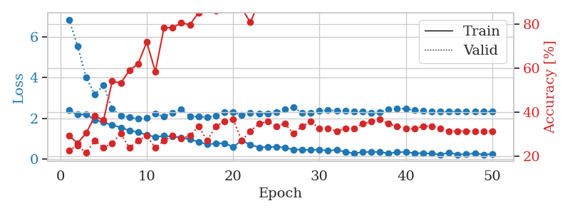
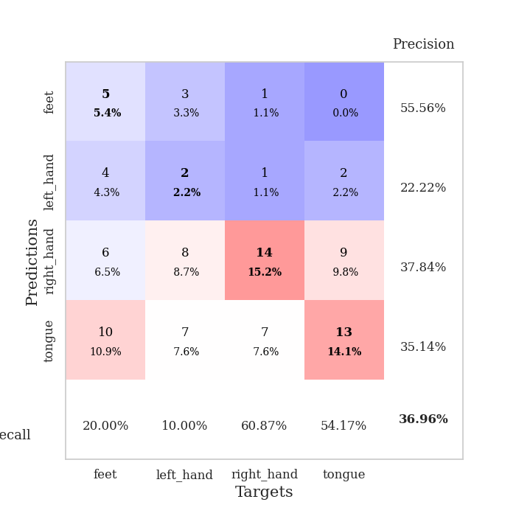
train_loss | valid_loss | train_accuracy | valid_accuracy | dur | train_misclass | valid_misclass
2.3996058226 | 6.8620049642 | 0.29347826087 | 0.22826086957 | 0.035761356354 | 29.347826087 | 22.826086957
2.1820780277 | 5.5551578273 | 0.26086956522 | 0.25 | 0.034497976303 | 26.086956522 | 25
2.1918583393 | 4.0039738054 | 0.30706521739 | 0.21739130435 | 0.034392356873 | 30.706521739 | 21.739130435
1.9253946543 | 3.1741008655 | 0.38315217391 | 0.27173913043 | 0.033416986465 | 38.315217391 | 27.173913043
1.798093605 | 3.6321893257 | 0.36413043478 | 0.23913043478 | 0.034915208817 | 36.413043478 | 23.913043478
1.673202467 | 2.4674013387 | 0.54076086957 | 0.26086956522 | 0.033785581589 | 54.076086957 | 26.086956522
1.5481992245 | 2.1271422635 | 0.53260869565 | 0.30434782609 | 0.034475326538 | 53.260869565 | 30.434782609
1.4003660202 | 2.0518564141 | 0.58967391304 | 0.23913043478 | 0.034736633301 | 58.967391304 | 23.913043478
1.3139618635 | 1.9737941856 | 0.61956521739 | 0.27173913043 | 0.034512281418 | 61.956521739 | 27.173913043
1.1850960255 | 2.0086405847 | 0.71739130435 | 0.29347826087 | 0.033829212189 | 71.739130435 | 29.347826087
1.0859484434 | 2.2235643864 | 0.58423913043 | 0.23913043478 | 0.033622264862 | 58.423913043 | 23.913043478
1.1371546507 | 2.0799196959 | 0.78260869565 | 0.27173913043 | 0.033498287201 | 78.260869565 | 27.173913043
1.0983645439 | 2.285319235 | 0.78260869565 | 0.29347826087 | 0.033616065979 | 78.260869565 | 29.347826087
1.0603680253 | 2.4429734582 | 0.80434782609 | 0.28260869565 | 0.035052061081 | 80.434782609 | 28.260869565
0.95875808001 | 2.1041620814 | 0.79619565217 | 0.29347826087 | 0.033843278885 | 79.619565217 | 29.347826087
0.84854748249 | 2.0801897153 | 0.85054347826 | 0.33695652174 | 0.033973693848 | 85.054347826 | 33.695652174
0.71692156792 | 2.0518001888 | 0.86956521739 | 0.27173913043 | 0.034257173538 | 86.956521739 | 27.173913043
0.76638702154 | 2.1399024414 | 0.85869565217 | 0.33695652174 | 0.033863544464 | 85.869565217 | 33.695652174
0.7753459692 | 2.3038268556 | 0.88043478261 | 0.35869565217 | 0.034290790558 | 88.043478261 | 35.869565217
0.60136368871 | 2.3141772021 | 0.8722826087 | 0.36956521739 | 0.034445524216 | 87.22826087 | 36.956521739
0.89993033409 | 2.1539370599 | 0.86956521739 | 0.27173913043 | 0.034408330917 | 86.956521739 | 27.173913043
0.70634430647 | 2.2795541494 | 0.80706521739 | 0.3152173913 | 0.034365177155 | 80.706521739 | 31.52173913
0.57219223976 | 2.2320587946 | 0.89945652174 | 0.34782608696 | 0.034222126007 | 89.945652174 | 34.782608696
0.58726204634 | 2.2239695736 | 0.92391304348 | 0.35869565217 | 0.034358501434 | 92.391304348 | 35.869565217
0.60127167702 | 2.3179252562 | 0.94293478261 | 0.33695652174 | 0.034268140793 | 94.293478261 | 33.695652174
0.55956560373 | 2.4481470067 | 0.92119565217 | 0.34782608696 | 0.034177064896 | 92.119565217 | 34.782608696
0.45787941813 | 2.5347745833 | 0.94293478261 | 0.30434782609 | 0.034376382828 | 94.293478261 | 30.434782609
0.46745195389 | 2.2729955549 | 0.97282608696 | 0.33695652174 | 0.034476518631 | 97.282608696 | 33.695652174
0.43914244771 | 2.2595667424 | 0.97826086957 | 0.35869565217 | 0.033359766006 | 97.826086957 | 35.869565217
0.46482565403 | 2.3661079199 | 0.97282608696 | 0.32608695652 | 0.033986568451 | 97.282608696 | 32.608695652
0.39989039898 | 2.3924340269 | 0.97282608696 | 0.32608695652 | 0.034149885178 | 97.282608696 | 32.608695652
0.45200679302 | 2.3762577098 | 0.97554347826 | 0.3152173913 | 0.034229516983 | 97.554347826 | 31.52173913
0.34908790886 | 2.3606362032 | 0.98097826087 | 0.32608695652 | 0.034159660339 | 98.097826087 | 32.608695652
0.2764403224 | 2.3518537127 | 0.97826086957 | 0.32608695652 | 0.03422832489 | 97.826086957 | 32.608695652
0.3395121038 | 2.3297872647 | 0.98913043478 | 0.34782608696 | 0.034268140793 | 98.913043478 | 34.782608696
0.3426527828 | 2.2572565701 | 0.9972826087 | 0.35869565217 | 0.03418302536 | 99.72826087 | 35.869565217
0.34586735964 | 2.2946590237 | 0.9972826087 | 0.36956521739 | 0.034237623215 | 99.72826087 | 36.956521739
0.27941819429 | 2.4468080583 | 1 | 0.34782608696 | 0.034337997437 | 100 | 34.782608696
0.33323661685 | 2.4903696413 | 1 | 0.33695652174 | 0.034327983856 | 100 | 33.695652174
0.34069908857 | 2.4709419582 | 1 | 0.32608695652 | 0.034374713898 | 100 | 32.608695652
0.29350683987 | 2.3947841706 | 1 | 0.32608695652 | 0.034225940704 | 100 | 32.608695652
0.2851467669 | 2.3622068944 | 1 | 0.33695652174 | 0.032835960388 | 100 | 33.695652174
0.26460918486 | 2.3478247705 | 1 | 0.33695652174 | 0.03417634964 | 100 | 33.695652174
0.2192125082 | 2.335922718 | 1 | 0.32608695652 | 0.034255504608 | 100 | 32.608695652
0.31240812242 | 2.3280279222 | 1 | 0.3152173913 | 0.033623456955 | 100 | 31.52173913
0.2232232213 | 2.3284214787 | 1 | 0.3152173913 | 0.033631563187 | 100 | 31.52173913
0.2359793216 | 2.3279622327 | 1 | 0.3152173913 | 0.033415794373 | 100 | 31.52173913
0.2852581352 | 2.3297445048 | 1 | 0.3152173913 | 0.033805608749 | 100 | 31.52173913
0.21605928242 | 2.3295474156 | 1 | 0.3152173913 | 0.033454179764 | 100 | 31.52173913
0.25022884309 | 2.3330179608 | 1 | 0.3152173913 | 0.033243894577 | 100 | 31.52173913

Best Val accuracy is 0.3695652173913043 and Best test accuracy is 0.3017241379310345

