Sheet
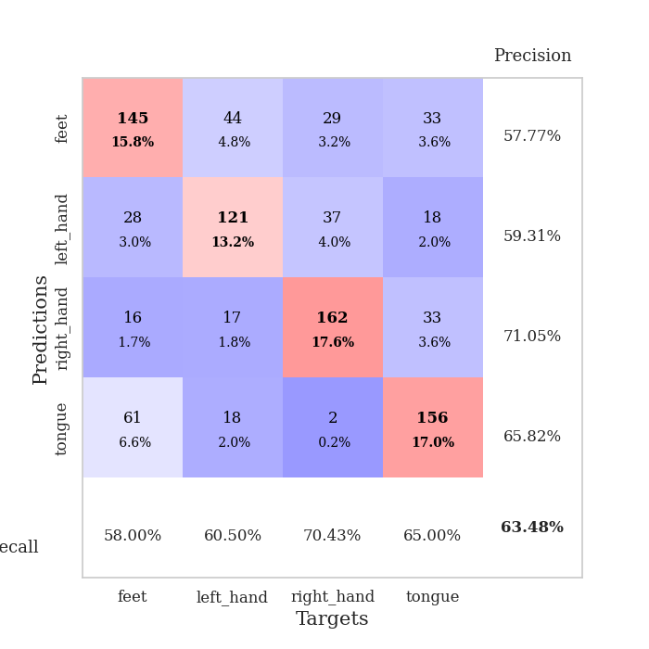
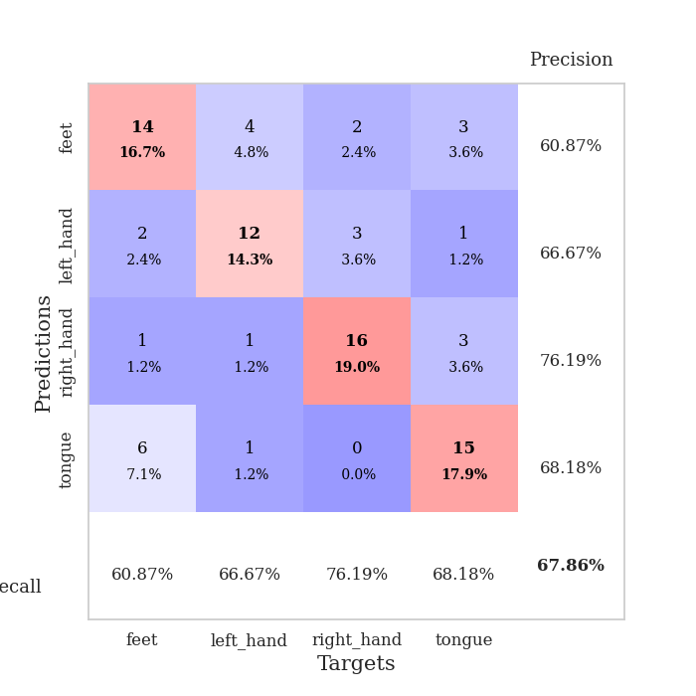
best_val_acc | best_val_los | best_test_acc
0.57608695652 | 1.6616394312 | 0.50862068966
0.67391304348 | 1.3651673794 | 0.61206896552
0.57608695652 | 1.7281006108 | 0.53448275862
0.64130434783 | 1.6098058794 | 0.62068965517
0.60869565217 | 1.6846210542 | 0.58620689655
0.65217391304 | 1.5789460255 | 0.56896551724
0.63043478261 | 1.6363308119 | 0.53448275862
0.67391304348 | 1.5376600908 | 0.65517241379
0.67391304348 | 1.5116226414 | 0.63793103448
0.64130434783 | 1.6737264395 | 0.62068965517

Mean,std Val accuracy is 0.6347826086956522 , 0.03737332451660181 and mean, std test accuracy is 0.5879310344827586 , 0.04957208885712146

Sheet1
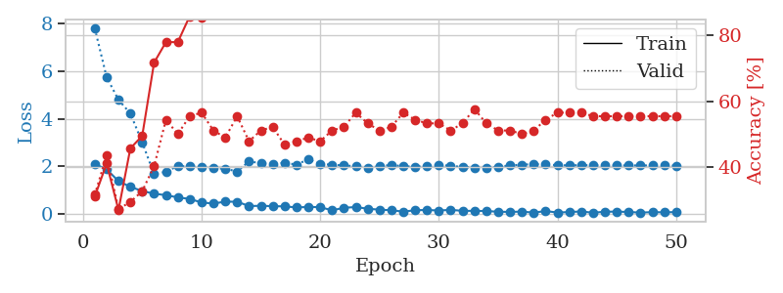
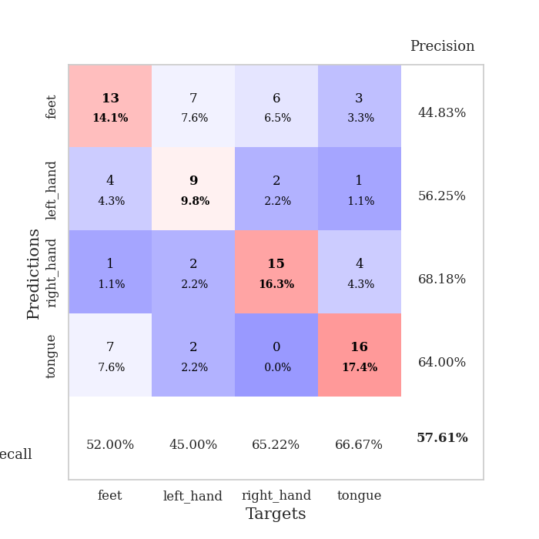
train_loss | valid_loss | train_accuracy | valid_accuracy | dur | train_misclass | valid_misclass
2.0899399281 | 7.8136756316 | 0.3097826087 | 0.3152173913 | 0.035019159317 | 30.97826087 | 31.52173913
1.8671620131 | 5.7535677163 | 0.41032608696 | 0.4347826087 | 0.03489947319 | 41.032608696 | 43.47826087
1.3708986044 | 4.7977594915 | 0.26902173913 | 0.27173913043 | 0.034007787704 | 26.902173913 | 27.173913043
1.1303964972 | 4.2224993706 | 0.45652173913 | 0.29347826087 | 0.033854961395 | 45.652173913 | 29.347826087
0.95527024269 | 3.0051325197 | 0.49456521739 | 0.32608695652 | 0.033858776093 | 49.456521739 | 32.608695652
0.84058160782 | 1.6616394312 | 0.71739130435 | 0.40217391304 | 0.033727645874 | 71.739130435 | 40.217391304
0.78121062517 | 1.7700499814 | 0.77989130435 | 0.54347826087 | 0.033941984177 | 77.989130435 | 54.347826087
0.68425512314 | 2.0051386149 | 0.77989130435 | 0.5 | 0.034009933472 | 77.989130435 | 50
0.6221965313 | 1.9874074459 | 0.85869565217 | 0.55434782609 | 0.033851385117 | 85.869565217 | 55.434782609
0.46955390573 | 1.964819706 | 0.85597826087 | 0.5652173913 | 0.034068822861 | 85.597826087 | 56.52173913
0.42832990885 | 1.9149201435 | 0.90489130435 | 0.51086956522 | 0.033960580826 | 90.489130435 | 51.086956522
0.50495892763 | 1.8918344975 | 0.90760869565 | 0.48913043478 | 0.033935070038 | 90.760869565 | 48.913043478
0.50356445312 | 1.7805654381 | 0.94293478261 | 0.55434782609 | 0.033845186234 | 94.293478261 | 55.434782609
0.32088472247 | 2.2068389395 | 0.86956521739 | 0.47826086957 | 0.033903360367 | 86.956521739 | 47.826086957
0.33141729832 | 2.1217890719 | 0.89402173913 | 0.51086956522 | 0.033804416656 | 89.402173913 | 51.086956522
0.31618514061 | 2.0931104059 | 0.94293478261 | 0.52173913043 | 0.033843278885 | 94.293478261 | 52.173913043
0.30724323988 | 2.1454537537 | 0.98369565217 | 0.46739130435 | 0.033844947815 | 98.369565217 | 46.739130435
0.2618786186 | 2.0673503357 | 0.97826086957 | 0.47826086957 | 0.033909320831 | 97.826086957 | 47.826086957
0.28297510147 | 2.2903970324 | 0.94836956522 | 0.48913043478 | 0.033843994141 | 94.836956522 | 48.913043478
0.27479802668 | 2.0904513131 | 0.99456521739 | 0.47826086957 | 0.033910989761 | 99.456521739 | 47.826086957
0.13963108063 | 2.0635732671 | 0.9972826087 | 0.51086956522 | 0.033896923065 | 99.72826087 | 51.086956522
0.24732120633 | 2.0332651553 | 0.9972826087 | 0.52173913043 | 0.033903837204 | 99.72826087 | 52.173913043
0.27823839635 | 1.9964620238 | 0.99456521739 | 0.5652173913 | 0.033820152283 | 99.456521739 | 56.52173913
0.20824470967 | 1.9318912651 | 0.99456521739 | 0.53260869565 | 0.034098386765 | 99.456521739 | 53.260869565
0.16792546958 | 1.9997742072 | 0.9972826087 | 0.51086956522 | 0.033958435059 | 99.72826087 | 51.086956522
0.14481461644 | 2.0533779704 | 1 | 0.52173913043 | 0.033871889114 | 100 | 52.173913043
0.085608269274 | 1.9969984656 | 0.99184782609 | 0.5652173913 | 0.033804655075 | 99.184782609 | 56.52173913
0.1438280791 | 1.9780106752 | 0.9972826087 | 0.54347826087 | 0.033931016922 | 99.72826087 | 54.347826087
0.15581439435 | 2.0252424116 | 1 | 0.53260869565 | 0.033831596375 | 100 | 53.260869565
0.13231752515 | 2.0559472934 | 1 | 0.53260869565 | 0.033795118332 | 100 | 53.260869565
0.16081569046 | 2.0162489725 | 1 | 0.51086956522 | 0.033864498138 | 100 | 51.086956522
0.11818282381 | 1.9654712884 | 1 | 0.53260869565 | 0.033850908279 | 100 | 53.260869565
0.11850317866 | 1.9321762064 | 0.9972826087 | 0.57608695652 | 0.033898353577 | 99.72826087 | 57.608695652
0.11155361086 | 1.9138291297 | 1 | 0.53260869565 | 0.034130811691 | 100 | 53.260869565
0.080470000207 | 1.9809776804 | 1 | 0.51086956522 | 0.033851623535 | 100 | 51.086956522
0.074498549849 | 2.0305481164 | 1 | 0.51086956522 | 0.03385591507 | 100 | 51.086956522
0.08610547632 | 2.0665895421 | 1 | 0.5 | 0.033829450607 | 100 | 50
0.044637772441 | 2.0844321562 | 1 | 0.51086956522 | 0.033899307251 | 100 | 51.086956522
0.10942850783 | 2.0746297318 | 1 | 0.54347826087 | 0.033808946609 | 100 | 54.347826087
0.047849404067 | 2.0444186563 | 1 | 0.5652173913 | 0.033832550049 | 100 | 56.52173913
0.068375139683 | 2.0355694812 | 1 | 0.5652173913 | 0.033828496933 | 100 | 56.52173913
0.092895410955 | 2.0431722454 | 1 | 0.5652173913 | 0.033879756927 | 100 | 56.52173913
0.039085635915 | 2.0414713258 | 1 | 0.55434782609 | 0.033897161484 | 100 | 55.434782609
0.082003979385 | 2.0380386892 | 1 | 0.55434782609 | 0.033763170242 | 100 | 55.434782609
0.086337803304 | 2.0344926896 | 1 | 0.55434782609 | 0.033868312836 | 100 | 55.434782609
0.071528484859 | 2.0320307068 | 1 | 0.55434782609 | 0.033845424652 | 100 | 55.434782609
0.044473185018 | 2.0321227468 | 1 | 0.55434782609 | 0.033804655075 | 100 | 55.434782609
0.065002334118 | 2.0301216685 | 1 | 0.55434782609 | 0.033842086792 | 100 | 55.434782609
0.055425284058 | 2.0282875662 | 1 | 0.55434782609 | 0.033900022507 | 100 | 55.434782609
0.066961786151 | 2.0267012949 | 1 | 0.55434782609 | 0.033837795258 | 100 | 55.434782609

Best Val accuracy is 0.5760869565217391 and Best test accuracy is 0.5086206896551724

Sheet2
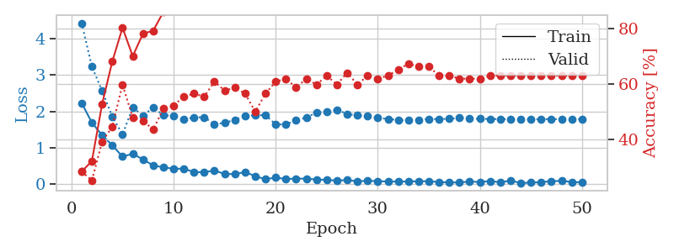
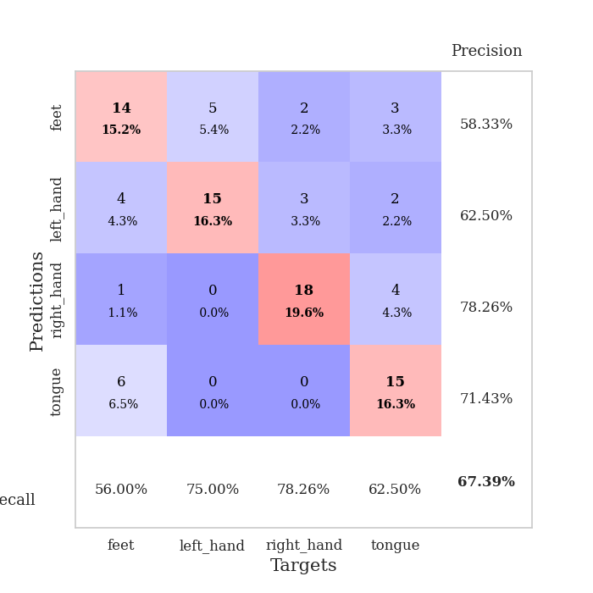
train_loss | valid_loss | train_accuracy | valid_accuracy | dur | train_misclass | valid_misclass
2.2310338497 | 4.4297656184 | 0.28260869565 | 0.28260869565 | 0.035221576691 | 28.260869565 | 28.260869565
1.6887486458 | 3.2324148987 | 0.32065217391 | 0.25 | 0.034150362015 | 32.065217391 | 25
1.3447764158 | 2.5648282404 | 0.52717391304 | 0.39130434783 | 0.033771038055 | 52.717391304 | 39.130434783
1.0645116925 | 1.8597192194 | 0.68206521739 | 0.44565217391 | 0.034207582474 | 68.206521739 | 44.565217391
0.75504341125 | 1.3651673794 | 0.80434782609 | 0.59782608696 | 0.034792661667 | 80.434782609 | 59.782608696
0.83262889385 | 2.1047671774 | 0.70108695652 | 0.47826086957 | 0.034424781799 | 70.108695652 | 47.826086957
0.67928034067 | 1.8845519346 | 0.78260869565 | 0.46739130435 | 0.033511400223 | 78.260869565 | 46.739130435
0.5109190464 | 2.1063554028 | 0.79347826087 | 0.4347826087 | 0.033499479294 | 79.347826087 | 43.47826087
0.46187099218 | 1.8957546949 | 0.86141304348 | 0.51086956522 | 0.033818006516 | 86.141304348 | 51.086956522
0.41928092241 | 1.8731209454 | 0.86684782609 | 0.52173913043 | 0.035128593445 | 86.684782609 | 52.173913043
0.42422917187 | 1.779775718 | 0.94565217391 | 0.55434782609 | 0.033378839493 | 94.565217391 | 55.434782609
0.32773137689 | 1.8331315777 | 0.94565217391 | 0.5652173913 | 0.033014059067 | 94.565217391 | 56.52173913
0.3282617569 | 1.8393237176 | 0.95380434783 | 0.55434782609 | 0.032879114151 | 95.380434783 | 55.434782609
0.37087157071 | 1.6456593534 | 0.95923913043 | 0.60869565217 | 0.03302526474 | 95.923913043 | 60.869565217
0.27829736471 | 1.6850938952 | 0.94565217391 | 0.57608695652 | 0.034067630768 | 94.565217391 | 57.608695652
0.27261779904 | 1.7680769537 | 0.96467391304 | 0.58695652174 | 0.032972097397 | 96.467391304 | 58.695652174
0.33003813624 | 1.8789943301 | 0.96467391304 | 0.5652173913 | 0.033105134964 | 96.467391304 | 56.52173913
0.21792747602 | 1.8938822954 | 0.98641304348 | 0.5 | 0.033629417419 | 98.641304348 | 50
0.1300484553 | 1.8979228061 | 0.98369565217 | 0.5652173913 | 0.033078670502 | 98.369565217 | 56.52173913
0.17849669009 | 1.6414831773 | 0.99184782609 | 0.60869565217 | 0.033008813858 | 99.184782609 | 60.869565217
0.13745244294 | 1.6441005728 | 0.99456521739 | 0.61956521739 | 0.033263206482 | 99.456521739 | 61.956521739
0.14970041811 | 1.7529655695 | 0.9972826087 | 0.58695652174 | 0.034341573715 | 99.72826087 | 58.695652174
0.14789629579 | 1.8304791502 | 0.9972826087 | 0.61956521739 | 0.035697460175 | 99.72826087 | 61.956521739
0.12582102641 | 1.9707605061 | 0.99456521739 | 0.59782608696 | 0.032930850983 | 99.456521739 | 59.782608696
0.11444795877 | 1.9944585769 | 0.9972826087 | 0.63043478261 | 0.032952785492 | 99.72826087 | 63.043478261
0.095467852801 | 2.0483767053 | 0.9972826087 | 0.59782608696 | 0.033772230148 | 99.72826087 | 59.782608696
0.10848264918 | 1.9268211023 | 1 | 0.64130434783 | 0.03324007988 | 100 | 64.130434783
0.076623090357 | 1.8867034912 | 1 | 0.59782608696 | 0.03471660614 | 100 | 59.782608696
0.087824061513 | 1.8690846329 | 1 | 0.63043478261 | 0.033355712891 | 100 | 63.043478261
0.080622892454 | 1.822464067 | 1 | 0.61956521739 | 0.033803224564 | 100 | 61.956521739
0.068473920971 | 1.7906508498 | 1 | 0.63043478261 | 0.033440351486 | 100 | 63.043478261
0.06913096644 | 1.7621122029 | 1 | 0.65217391304 | 0.033381700516 | 100 | 65.217391304
0.067092914879 | 1.7479593391 | 1 | 0.67391304348 | 0.034777402878 | 100 | 67.391304348
0.078608869761 | 1.7708150252 | 1 | 0.66304347826 | 0.034086704254 | 100 | 66.304347826
0.074539325386 | 1.7867239506 | 1 | 0.66304347826 | 0.033832788467 | 100 | 66.304347826
0.058168009669 | 1.7873013642 | 1 | 0.63043478261 | 0.033340930939 | 100 | 63.043478261
0.041918227449 | 1.7952304042 | 1 | 0.63043478261 | 0.033921718597 | 100 | 63.043478261
0.047384030931 | 1.8179127755 | 1 | 0.61956521739 | 0.033922195435 | 100 | 61.956521739
0.066126129031 | 1.8016145851 | 1 | 0.61956521739 | 0.033311605453 | 100 | 61.956521739
0.059386752173 | 1.7947639642 | 1 | 0.61956521739 | 0.033338308334 | 100 | 61.956521739
0.079052476771 | 1.7903110566 | 1 | 0.63043478261 | 0.03369474411 | 100 | 63.043478261
0.051605098695 | 1.7886050784 | 1 | 0.63043478261 | 0.033930778503 | 100 | 63.043478261
0.092997169495 | 1.7807548357 | 1 | 0.63043478261 | 0.033405303955 | 100 | 63.043478261
0.0312146198 | 1.7789248332 | 1 | 0.63043478261 | 0.033277511597 | 100 | 63.043478261
0.038228081912 | 1.7810727773 | 1 | 0.63043478261 | 0.033576965332 | 100 | 63.043478261
0.053409190103 | 1.7845685327 | 1 | 0.63043478261 | 0.03369307518 | 100 | 63.043478261
0.07850445956 | 1.7868798453 | 1 | 0.63043478261 | 0.033720731735 | 100 | 63.043478261
0.086932361126 | 1.7864635146 | 1 | 0.63043478261 | 0.033380270004 | 100 | 63.043478261
0.057778910547 | 1.7860229637 | 1 | 0.63043478261 | 0.033195734024 | 100 | 63.043478261
0.044033310935 | 1.7847887848 | 1 | 0.63043478261 | 0.033715248108 | 100 | 63.043478261

Best Val accuracy is 0.6739130434782609 and Best test accuracy is 0.6120689655172413

Sheet3
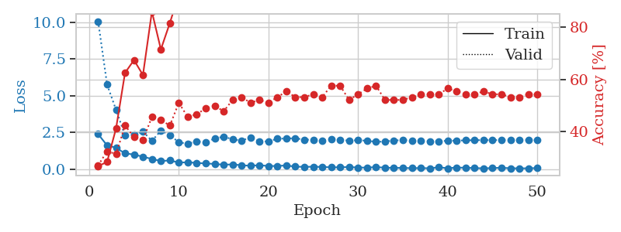
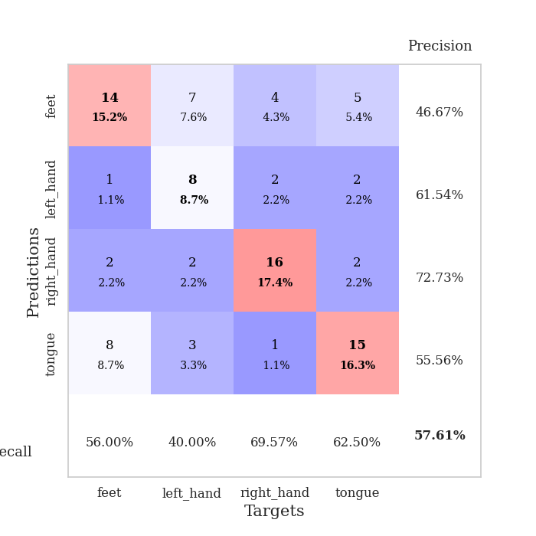
train_loss | valid_loss | train_accuracy | valid_accuracy | dur | train_misclass | valid_misclass
2.381666851 | 10.077011813 | 0.26902173913 | 0.27173913043 | 0.034734249115 | 26.902173913 | 27.173913043
1.6077911854 | 5.7566343183 | 0.28532608696 | 0.32608695652 | 0.034448385239 | 28.532608696 | 32.608695652
1.4528681517 | 4.0325379579 | 0.41304347826 | 0.3152173913 | 0.03410077095 | 41.304347826 | 31.52173913
1.0607708216 | 2.2833732004 | 0.625 | 0.42391304348 | 0.033241271973 | 62.5 | 42.391304348
0.99119001627 | 2.3303496112 | 0.67391304348 | 0.38043478261 | 0.03426194191 | 67.391304348 | 38.043478261
0.83404046297 | 2.5604201089 | 0.61684782609 | 0.36956521739 | 0.033934354782 | 61.684782609 | 36.956521739
0.68618788719 | 1.9138811205 | 0.85869565217 | 0.45652173913 | 0.033629179001 | 85.869565217 | 45.652173913
0.5410563767 | 2.6158425601 | 0.71467391304 | 0.44565217391 | 0.034205913544 | 71.467391304 | 44.565217391
0.58504950404 | 2.3150899825 | 0.8152173913 | 0.42391304348 | 0.033202171326 | 81.52173913 | 42.391304348
0.44002971649 | 1.8183678233 | 0.92391304348 | 0.51086956522 | 0.033806800842 | 92.391304348 | 51.086956522
0.45682820082 | 1.7281006108 | 0.88586956522 | 0.45652173913 | 0.033736944199 | 88.586956522 | 45.652173913
0.41880180836 | 1.8719132517 | 0.89402173913 | 0.46739130435 | 0.03302359581 | 89.402173913 | 46.739130435
0.3734054327 | 1.8394588802 | 0.92119565217 | 0.48913043478 | 0.033501386642 | 92.119565217 | 48.913043478
0.34901202321 | 2.0711828989 | 0.88858695652 | 0.5 | 0.033362865448 | 88.858695652 | 50
0.28825805783 | 2.2109564906 | 0.90217391304 | 0.47826086957 | 0.034026861191 | 90.217391304 | 47.826086957
0.31744820774 | 2.0243160517 | 0.92663043478 | 0.52173913043 | 0.033478736877 | 92.663043478 | 52.173913043
0.25246469975 | 1.9361833386 | 0.94293478261 | 0.53260869565 | 0.034559488297 | 94.293478261 | 53.260869565
0.22187510729 | 2.1524657478 | 0.9375 | 0.51086956522 | 0.034781455994 | 93.75 | 51.086956522
0.26052415967 | 1.8974025301 | 0.97282608696 | 0.52173913043 | 0.03346323967 | 97.282608696 | 52.173913043
0.20399320275 | 1.8721956585 | 0.98641304348 | 0.51086956522 | 0.033499002457 | 98.641304348 | 51.086956522
0.20568542778 | 2.0667478986 | 0.97826086957 | 0.53260869565 | 0.033900976181 | 97.826086957 | 53.260869565
0.24525772929 | 2.0801082539 | 0.99456521739 | 0.55434782609 | 0.033488750458 | 99.456521739 | 55.434782609
0.16027945578 | 2.0963911492 | 0.99184782609 | 0.53260869565 | 0.034562587738 | 99.184782609 | 53.260869565
0.14721451104 | 2.0027131568 | 1 | 0.53260869565 | 0.034266471863 | 100 | 53.260869565
0.15578864068 | 1.9944849481 | 1 | 0.54347826087 | 0.033951997757 | 100 | 54.347826087
0.14111641794 | 1.9527996208 | 1 | 0.53260869565 | 0.034478187561 | 100 | 53.260869565
0.11439925283 | 2.0204803114 | 1 | 0.57608695652 | 0.034068822861 | 100 | 57.608695652
0.11345790997 | 1.9827545933 | 1 | 0.57608695652 | 0.034477710724 | 100 | 57.608695652
0.1372374434 | 1.9358891508 | 1 | 0.52173913043 | 0.033532142639 | 100 | 52.173913043
0.098507811874 | 1.9659003227 | 1 | 0.54347826087 | 0.033960342407 | 100 | 54.347826087
0.095465416461 | 1.9267170948 | 0.9972826087 | 0.5652173913 | 0.033550739288 | 99.72826087 | 56.52173913
0.1281157732 | 1.8529099485 | 0.9972826087 | 0.57608695652 | 0.03348493576 | 99.72826087 | 57.608695652
0.091920880973 | 1.8720136052 | 1 | 0.52173913043 | 0.035345554352 | 100 | 52.173913043
0.075993582606 | 1.9457914207 | 1 | 0.52173913043 | 0.033393621445 | 100 | 52.173913043
0.074125378579 | 1.9705619916 | 1 | 0.52173913043 | 0.033834457397 | 100 | 52.173913043
0.056224540249 | 1.9393412652 | 1 | 0.53260869565 | 0.033826351166 | 100 | 53.260869565
0.064160007983 | 1.9097777709 | 1 | 0.54347826087 | 0.033935070038 | 100 | 54.347826087
0.04859496057 | 1.8874014201 | 1 | 0.54347826087 | 0.033591270447 | 100 | 54.347826087
0.11658511311 | 1.8965955817 | 1 | 0.54347826087 | 0.033373832703 | 100 | 54.347826087
0.05320687443 | 1.9253564866 | 1 | 0.5652173913 | 0.033194541931 | 100 | 56.52173913
0.10061726198 | 1.9377930838 | 1 | 0.55434782609 | 0.033178091049 | 100 | 55.434782609
0.082477337867 | 1.9536328368 | 1 | 0.54347826087 | 0.033206939697 | 100 | 54.347826087
0.067361995578 | 1.9644945653 | 1 | 0.54347826087 | 0.033275604248 | 100 | 54.347826087
0.041443948634 | 1.9715347549 | 1 | 0.55434782609 | 0.033158302307 | 100 | 55.434782609
0.066536705196 | 1.9715901095 | 1 | 0.54347826087 | 0.034048080444 | 100 | 54.347826087
0.082861650735 | 1.9715539839 | 1 | 0.54347826087 | 0.034214735031 | 100 | 54.347826087
0.052694676071 | 1.9709031478 | 1 | 0.53260869565 | 0.035470962524 | 100 | 53.260869565
0.043398860097 | 1.9714961311 | 1 | 0.53260869565 | 0.033295869827 | 100 | 53.260869565
0.048807895929 | 1.971781316 | 1 | 0.54347826087 | 0.033289432526 | 100 | 54.347826087
0.064329754561 | 1.9718642287 | 1 | 0.54347826087 | 0.033131599426 | 100 | 54.347826087

Best Val accuracy is 0.5760869565217391 and Best test accuracy is 0.5344827586206896

Sheet4
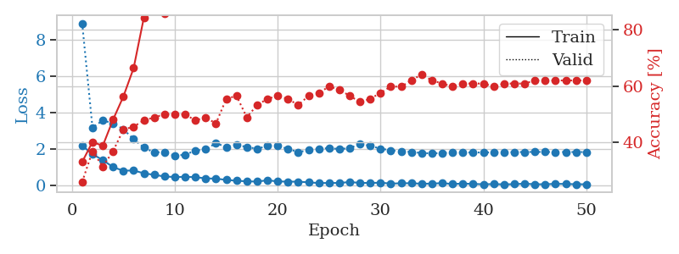
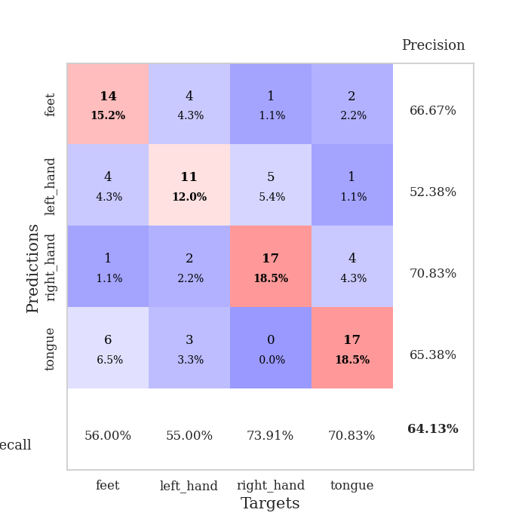
train_loss | valid_loss | train_accuracy | valid_accuracy | dur | train_misclass | valid_misclass
2.1700350046 | 8.8872507344 | 0.33152173913 | 0.26086956522 | 0.034881353378 | 33.152173913 | 26.086956522
1.6954883814 | 3.1577493522 | 0.40217391304 | 0.36956521739 | 0.034197330475 | 40.217391304 | 36.956521739
1.3805715561 | 3.5530005642 | 0.38858695652 | 0.3152173913 | 0.033891916275 | 38.858695652 | 31.52173913
0.9858328104 | 3.3934791399 | 0.48097826087 | 0.36956521739 | 0.033444881439 | 48.097826087 | 36.956521739
0.78967316151 | 3.0691800325 | 0.5625 | 0.44565217391 | 0.033257484436 | 56.25 | 44.565217391
0.8039281249 | 2.5195549467 | 0.66304347826 | 0.45652173913 | 0.034226894379 | 66.304347826 | 45.652173913
0.64701085091 | 2.0603951579 | 0.84239130435 | 0.47826086957 | 0.033869981766 | 84.239130435 | 47.826086957
0.56449160576 | 1.789898608 | 0.8777173913 | 0.48913043478 | 0.034113883972 | 87.77173913 | 48.913043478
0.47185367346 | 1.8180738947 | 0.85597826087 | 0.5 | 0.03436589241 | 85.597826087 | 50
0.44389535785 | 1.6098058794 | 0.92391304348 | 0.5 | 0.034246921539 | 92.391304348 | 50
0.45180130601 | 1.6721036331 | 0.94836956522 | 0.5 | 0.033270835876 | 94.836956522 | 50
0.43755764663 | 1.8925193082 | 0.95108695652 | 0.47826086957 | 0.033686876297 | 95.108695652 | 47.826086957
0.36721916795 | 1.9683789481 | 0.94565217391 | 0.48913043478 | 0.034116744995 | 94.565217391 | 48.913043478
0.3562043637 | 2.2997774145 | 0.93206521739 | 0.46739130435 | 0.033866643906 | 93.206521739 | 46.739130435
0.2850224942 | 2.097610173 | 0.97826086957 | 0.55434782609 | 0.033880710602 | 97.826086957 | 55.434782609
0.23832138479 | 2.2084673799 | 0.97554347826 | 0.5652173913 | 0.034547567368 | 97.554347826 | 56.52173913
0.20779074132 | 2.0948028357 | 0.96739130435 | 0.48913043478 | 0.034177064896 | 96.739130435 | 48.913043478
0.1916891098 | 1.9926098741 | 0.97554347826 | 0.53260869565 | 0.033472776413 | 97.554347826 | 53.260869565
0.26548077613 | 2.1529444197 | 0.98641304348 | 0.55434782609 | 0.033813714981 | 98.641304348 | 55.434782609
0.20143019855 | 2.1715680102 | 0.98369565217 | 0.5652173913 | 0.033648967743 | 98.369565217 | 56.52173913
0.19053786397 | 1.9797329488 | 0.99184782609 | 0.55434782609 | 0.033588647842 | 99.184782609 | 55.434782609
0.18712337315 | 1.8135937349 | 0.98641304348 | 0.53260869565 | 0.035311937332 | 98.641304348 | 53.260869565
0.15293717384 | 1.9155241925 | 0.9972826087 | 0.5652173913 | 0.032943964005 | 99.72826087 | 56.52173913
0.11128557026 | 1.9907220136 | 1 | 0.57608695652 | 0.033596515656 | 100 | 57.608695652
0.11659084707 | 2.0313712929 | 0.99456521739 | 0.59782608696 | 0.033524513245 | 99.456521739 | 59.782608696
0.11635439619 | 1.9779404868 | 0.9972826087 | 0.58695652174 | 0.033997297287 | 99.72826087 | 58.695652174
0.17013413608 | 2.0327110083 | 1 | 0.5652173913 | 0.033854961395 | 100 | 56.52173913
0.11956041381 | 2.258573812 | 1 | 0.54347826087 | 0.033493757248 | 100 | 54.347826087
0.1182154268 | 2.1575563783 | 1 | 0.55434782609 | 0.033184051514 | 100 | 55.434782609
0.13183694035 | 1.9991628709 | 1 | 0.57608695652 | 0.033929824829 | 100 | 57.608695652
0.083843839914 | 1.9116380215 | 1 | 0.59782608696 | 0.034128427505 | 100 | 59.782608696
0.098820666969 | 1.8571666635 | 1 | 0.59782608696 | 0.034002065659 | 100 | 59.782608696
0.10365832448 | 1.8186749583 | 1 | 0.61956521739 | 0.03318810463 | 100 | 61.956521739
0.074118094146 | 1.7622430584 | 1 | 0.64130434783 | 0.033981084824 | 100 | 64.130434783
0.081368274987 | 1.7409896902 | 1 | 0.61956521739 | 0.034388780594 | 100 | 61.956521739
0.10894507617 | 1.767607663 | 1 | 0.60869565217 | 0.034011125565 | 100 | 60.869565217
0.058316125721 | 1.7809723875 | 1 | 0.59782608696 | 0.03394651413 | 100 | 59.782608696
0.08578361012 | 1.7898317575 | 1 | 0.60869565217 | 0.033019542694 | 100 | 60.869565217
0.062616565078 | 1.7906902303 | 1 | 0.60869565217 | 0.033610582352 | 100 | 60.869565217
0.047334413975 | 1.7895818586 | 1 | 0.60869565217 | 0.033179998398 | 100 | 60.869565217
0.056364557147 | 1.7962034474 | 1 | 0.59782608696 | 0.033576726913 | 100 | 59.782608696
0.040481629595 | 1.8008591507 | 1 | 0.60869565217 | 0.033233165741 | 100 | 60.869565217
0.051636502892 | 1.8093643707 | 1 | 0.60869565217 | 0.033923625946 | 100 | 60.869565217
0.07889040783 | 1.8179746503 | 1 | 0.60869565217 | 0.033289432526 | 100 | 60.869565217
0.047094428167 | 1.8210137098 | 1 | 0.61956521739 | 0.033150672913 | 100 | 61.956521739
0.04702312611 | 1.8204923609 | 1 | 0.61956521739 | 0.033789396286 | 100 | 61.956521739
0.068456421047 | 1.8185637723 | 1 | 0.61956521739 | 0.033229112625 | 100 | 61.956521739
0.063530413806 | 1.8178345017 | 1 | 0.61956521739 | 0.033188343048 | 100 | 61.956521739
0.047494183108 | 1.8170124759 | 1 | 0.61956521739 | 0.033793449402 | 100 | 61.956521739
0.046589024737 | 1.8165717125 | 1 | 0.61956521739 | 0.033530473709 | 100 | 61.956521739

Best Val accuracy is 0.6413043478260869 and Best test accuracy is 0.6206896551724138

Sheet5
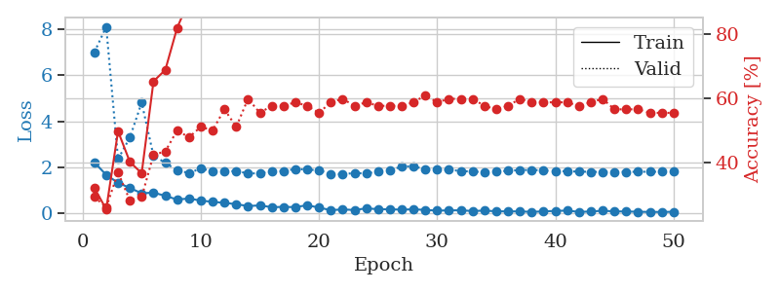
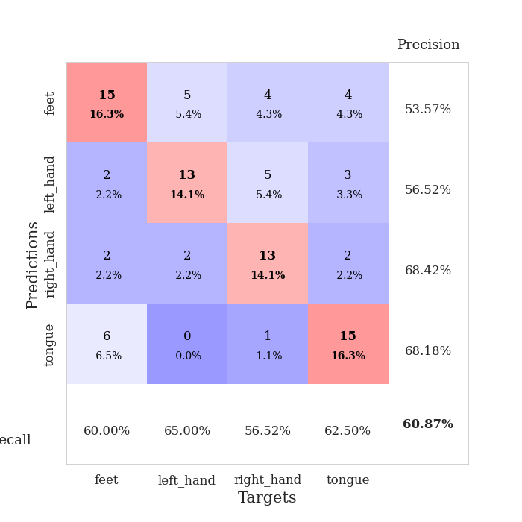
train_loss | valid_loss | train_accuracy | valid_accuracy | dur | train_misclass | valid_misclass
2.2020790815 | 7.0099639478 | 0.32065217391 | 0.29347826087 | 0.035418272018 | 32.065217391 | 29.347826087
1.6588901043 | 8.1167412426 | 0.25543478261 | 0.26086956522 | 0.03432559967 | 25.543478261 | 26.086956522
1.3154384613 | 2.3476012686 | 0.4972826087 | 0.36956521739 | 0.033463954926 | 49.72826087 | 36.956521739
1.0877619863 | 3.2851234623 | 0.40217391304 | 0.28260869565 | 0.034378051758 | 40.217391304 | 28.260869565
0.85668021441 | 4.810727306 | 0.36684782609 | 0.29347826087 | 0.033663272858 | 36.684782609 | 29.347826087
0.88638856411 | 2.4926127351 | 0.65217391304 | 0.42391304348 | 0.033259153366 | 65.217391304 | 42.391304348
0.74389551878 | 2.1902890516 | 0.6875 | 0.4347826087 | 0.034309387207 | 68.75 | 43.47826087
0.58399651051 | 1.8482388569 | 0.81793478261 | 0.5 | 0.033891677856 | 81.793478261 | 50
0.62904983759 | 1.7449233998 | 0.90217391304 | 0.47826086957 | 0.034284830093 | 90.217391304 | 47.826086957
0.53720459342 | 1.9303431459 | 0.91304347826 | 0.51086956522 | 0.033258676529 | 91.304347826 | 51.086956522
0.48495274782 | 1.8290298141 | 0.93206521739 | 0.5 | 0.034516811371 | 93.206521739 | 50
0.43814530969 | 1.8080775219 | 0.95652173913 | 0.5652173913 | 0.033550977707 | 95.652173913 | 56.52173913
0.38249387741 | 1.8269245054 | 0.92934782609 | 0.51086956522 | 0.034004449844 | 92.934782609 | 51.086956522
0.29798517227 | 1.7213817887 | 0.94293478261 | 0.59782608696 | 0.033164262772 | 94.293478261 | 59.782608696
0.32977201641 | 1.727916137 | 0.97826086957 | 0.55434782609 | 0.034022331238 | 97.826086957 | 55.434782609
0.24938247502 | 1.8204953049 | 0.97010869565 | 0.57608695652 | 0.033111333847 | 97.010869565 | 57.608695652
0.26422922164 | 1.8248850055 | 0.98369565217 | 0.57608695652 | 0.03312253952 | 98.369565217 | 57.608695652
0.25205398202 | 1.9145923179 | 0.94565217391 | 0.58695652174 | 0.03319644928 | 94.565217391 | 58.695652174
0.33695424795 | 1.8913271634 | 0.96195652174 | 0.57608695652 | 0.033210754395 | 96.195652174 | 57.608695652
0.23162040412 | 1.8560444687 | 0.99456521739 | 0.55434782609 | 0.033106565475 | 99.456521739 | 55.434782609
0.12085805535 | 1.7080973957 | 0.99456521739 | 0.58695652174 | 0.033145666122 | 99.456521739 | 58.695652174
0.15279693902 | 1.6846210542 | 0.9972826087 | 0.59782608696 | 0.033110380173 | 99.72826087 | 59.782608696
0.1275962308 | 1.741048647 | 0.9972826087 | 0.57608695652 | 0.033118963242 | 99.72826087 | 57.608695652
0.19889708161 | 1.717997468 | 0.9972826087 | 0.58695652174 | 0.033255815506 | 99.72826087 | 58.695652174
0.16343044043 | 1.8071426982 | 0.98641304348 | 0.57608695652 | 0.033195972443 | 98.641304348 | 57.608695652
0.15707036704 | 1.8625301174 | 0.99456521739 | 0.57608695652 | 0.033510684967 | 99.456521739 | 57.608695652
0.14307791889 | 2.0209524839 | 1 | 0.57608695652 | 0.033221244812 | 100 | 57.608695652
0.15785490796 | 2.0398192302 | 1 | 0.58695652174 | 0.033247709274 | 100 | 58.695652174
0.13070457578 | 1.8921299499 | 0.9972826087 | 0.60869565217 | 0.033294200897 | 99.72826087 | 60.869565217
0.099989338964 | 1.879849154 | 1 | 0.58695652174 | 0.0345287323 | 100 | 58.695652174
0.11083333716 | 1.8797709631 | 1 | 0.59782608696 | 0.033210515976 | 100 | 59.782608696
0.11454066634 | 1.8283380115 | 1 | 0.59782608696 | 0.033238887787 | 100 | 59.782608696
0.081583494693 | 1.8000812738 | 1 | 0.59782608696 | 0.033196926117 | 100 | 59.782608696
0.10286286175 | 1.7860755609 | 1 | 0.57608695652 | 0.033266067505 | 100 | 57.608695652
0.071088526398 | 1.801014527 | 1 | 0.5652173913 | 0.033270835876 | 100 | 56.52173913
0.066278021038 | 1.8374594605 | 1 | 0.57608695652 | 0.033230066299 | 100 | 57.608695652
0.067430374026 | 1.8652017531 | 1 | 0.59782608696 | 0.033183574677 | 100 | 59.782608696
0.045018522814 | 1.8781300524 | 1 | 0.58695652174 | 0.033741950989 | 100 | 58.695652174
0.06821257025 | 1.8484340025 | 1 | 0.58695652174 | 0.033704042435 | 100 | 58.695652174
0.087411473133 | 1.8289512448 | 1 | 0.58695652174 | 0.0332903862 | 100 | 58.695652174
0.10132872723 | 1.813649841 | 1 | 0.58695652174 | 0.033259391785 | 100 | 58.695652174
0.045403664187 | 1.8026536133 | 1 | 0.57608695652 | 0.033509969711 | 100 | 57.608695652
0.06157400012 | 1.792651363 | 1 | 0.58695652174 | 0.033291339874 | 100 | 58.695652174
0.096447090805 | 1.7868193958 | 1 | 0.59782608696 | 0.033556938171 | 100 | 59.782608696
0.067025720328 | 1.7902038512 | 1 | 0.5652173913 | 0.033851146698 | 100 | 56.52173913
0.06309674792 | 1.7921143096 | 1 | 0.5652173913 | 0.033585309982 | 100 | 56.52173913
0.050650776923 | 1.7939160181 | 1 | 0.5652173913 | 0.03346657753 | 100 | 56.52173913
0.043324505538 | 1.7960440491 | 1 | 0.55434782609 | 0.033343791962 | 100 | 55.434782609
0.043222761154 | 1.7966426352 | 1 | 0.55434782609 | 0.03357219696 | 100 | 55.434782609
0.049252708443 | 1.7965508233 | 1 | 0.55434782609 | 0.033712387085 | 100 | 55.434782609

Best Val accuracy is 0.6086956521739131 and Best test accuracy is 0.5862068965517241

Sheet6
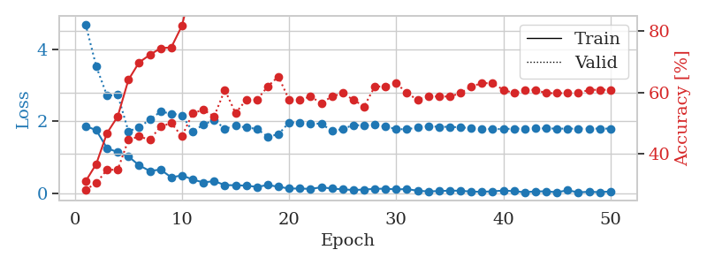
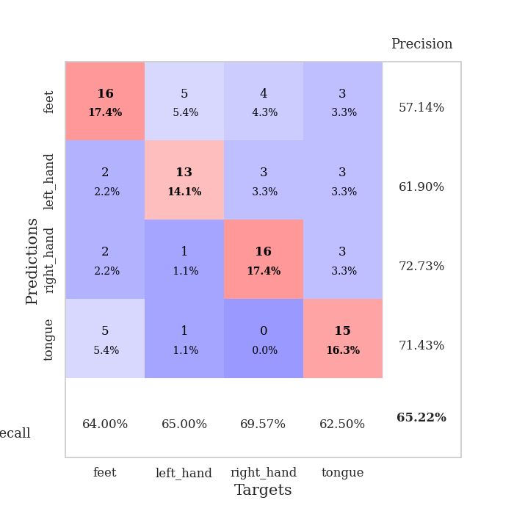
train_loss | valid_loss | train_accuracy | valid_accuracy | dur | train_misclass | valid_misclass
1.8744247437 | 4.6879571728 | 0.3097826087 | 0.28260869565 | 0.034464120865 | 30.97826087 | 28.260869565
1.7554908991 | 3.523657436 | 0.36684782609 | 0.30434782609 | 0.034192800522 | 36.684782609 | 30.434782609
1.2586401224 | 2.7112881826 | 0.46739130435 | 0.34782608696 | 0.034478664398 | 46.739130435 | 34.782608696
1.1485521436 | 2.7353654219 | 0.52173913043 | 0.34782608696 | 0.034247875214 | 52.173913043 | 34.782608696
1.0321197629 | 1.7267264594 | 0.64130434783 | 0.44565217391 | 0.033981084824 | 64.130434783 | 44.565217391
0.78231921196 | 1.8341643188 | 0.69836956522 | 0.45652173913 | 0.034285306931 | 69.836956522 | 45.652173913
0.62774000168 | 2.051377908 | 0.72282608696 | 0.44565217391 | 0.034506797791 | 72.282608696 | 44.565217391
0.66680324078 | 2.268780076 | 0.74456521739 | 0.48913043478 | 0.033823013306 | 74.456521739 | 48.913043478
0.45009725094 | 2.2169160117 | 0.7472826087 | 0.5 | 0.034939527512 | 74.72826087 | 50
0.50587006211 | 2.1690880734 | 0.81793478261 | 0.45652173913 | 0.034341335297 | 81.793478261 | 45.652173913
0.39071533978 | 1.7212606979 | 0.96195652174 | 0.53260869565 | 0.034338712692 | 96.195652174 | 53.260869565
0.30981525481 | 1.9086152626 | 0.95923913043 | 0.54347826087 | 0.034539461136 | 95.923913043 | 54.347826087
0.34750531316 | 2.0441187827 | 0.90760869565 | 0.52173913043 | 0.034359455109 | 90.760869565 | 52.173913043
0.23755554259 | 1.795640536 | 0.98641304348 | 0.60869565217 | 0.034352779388 | 98.641304348 | 60.869565217
0.23150478303 | 1.8792662465 | 0.96739130435 | 0.53260869565 | 0.034352779388 | 96.739130435 | 53.260869565
0.22198125422 | 1.8300019969 | 0.98369565217 | 0.57608695652 | 0.034215927124 | 98.369565217 | 57.608695652
0.18785207272 | 1.7929517083 | 0.97010869565 | 0.57608695652 | 0.034225463867 | 97.010869565 | 57.608695652
0.23799895942 | 1.5789460255 | 0.98641304348 | 0.61956521739 | 0.034070014954 | 98.641304348 | 61.956521739
0.19206722677 | 1.6404718316 | 0.99184782609 | 0.65217391304 | 0.034242630005 | 99.184782609 | 65.217391304
0.14116095454 | 1.9719435961 | 0.96739130435 | 0.57608695652 | 0.034465789795 | 96.739130435 | 57.608695652
0.14192411304 | 1.9666824859 | 0.98641304348 | 0.57608695652 | 0.034167766571 | 98.641304348 | 57.608695652
0.13112629205 | 1.9333425968 | 0.9972826087 | 0.58695652174 | 0.034160614014 | 99.72826087 | 58.695652174
0.17593070567 | 1.9398231092 | 0.9972826087 | 0.5652173913 | 0.033581256866 | 99.72826087 | 56.52173913
0.14225440994 | 1.7315424111 | 1 | 0.58695652174 | 0.033190727234 | 100 | 58.695652174
0.11782003492 | 1.7899025523 | 0.99184782609 | 0.59782608696 | 0.033181667328 | 99.184782609 | 59.782608696
0.10225632191 | 1.8993997988 | 0.9972826087 | 0.57608695652 | 0.032996177673 | 99.72826087 | 57.608695652
0.11299618334 | 1.8877324592 | 1 | 0.55434782609 | 0.033635139465 | 100 | 55.434782609
0.13318199664 | 1.9009077601 | 0.99456521739 | 0.61956521739 | 0.033311367035 | 99.456521739 | 61.956521739
0.13750971705 | 1.8591784705 | 1 | 0.61956521739 | 0.033100128174 | 100 | 61.956521739
0.11604118049 | 1.7879083364 | 1 | 0.63043478261 | 0.033154964447 | 100 | 63.043478261
0.12719762623 | 1.7789991628 | 1 | 0.59782608696 | 0.033722162247 | 100 | 59.782608696
0.080153175071 | 1.8382198344 | 1 | 0.57608695652 | 0.033215999603 | 100 | 57.608695652
0.062624349445 | 1.869228446 | 1 | 0.58695652174 | 0.033231735229 | 100 | 58.695652174
0.071567837149 | 1.8493225367 | 1 | 0.58695652174 | 0.033628940582 | 100 | 58.695652174
0.084157394618 | 1.8512509698 | 1 | 0.58695652174 | 0.0330991745 | 100 | 58.695652174
0.080359365791 | 1.8318647405 | 1 | 0.59782608696 | 0.033123016357 | 100 | 59.782608696
0.057049992681 | 1.8159428057 | 1 | 0.61956521739 | 0.033113241196 | 100 | 61.956521739
0.052175816521 | 1.7969451469 | 1 | 0.63043478261 | 0.033127069473 | 100 | 63.043478261
0.064280021936 | 1.7878218786 | 1 | 0.63043478261 | 0.033065319061 | 100 | 63.043478261
0.085624595731 | 1.7888340224 | 1 | 0.60869565217 | 0.033112764359 | 100 | 60.869565217
0.068206665292 | 1.8003001731 | 1 | 0.59782608696 | 0.033246278763 | 100 | 59.782608696
0.03840537779 | 1.8017062985 | 1 | 0.60869565217 | 0.033635377884 | 100 | 60.869565217
0.063742796332 | 1.8057767982 | 1 | 0.60869565217 | 0.033218860626 | 100 | 60.869565217
0.063380498439 | 1.8056876452 | 1 | 0.59782608696 | 0.033264160156 | 100 | 59.782608696
0.039436519146 | 1.8006824773 | 1 | 0.59782608696 | 0.033635616302 | 100 | 59.782608696
0.092649093643 | 1.7991727746 | 1 | 0.59782608696 | 0.036104202271 | 100 | 59.782608696
0.03615187332 | 1.7995072655 | 1 | 0.59782608696 | 0.035827159882 | 100 | 59.782608696
0.051905640028 | 1.800003171 | 1 | 0.60869565217 | 0.033983469009 | 100 | 60.869565217
0.041460895911 | 1.800386802 | 1 | 0.60869565217 | 0.033879518509 | 100 | 60.869565217
0.060707540065 | 1.801038628 | 1 | 0.60869565217 | 0.033097028732 | 100 | 60.869565217

Best Val accuracy is 0.6521739130434783 and Best test accuracy is 0.5689655172413793

Sheet7
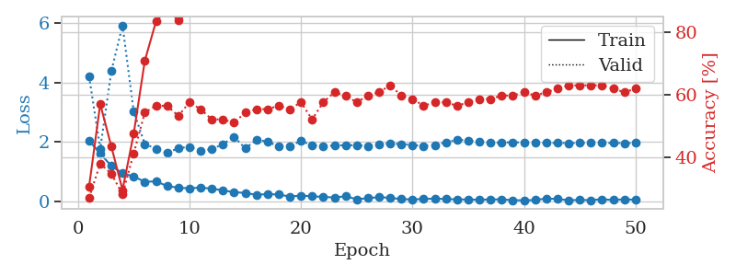
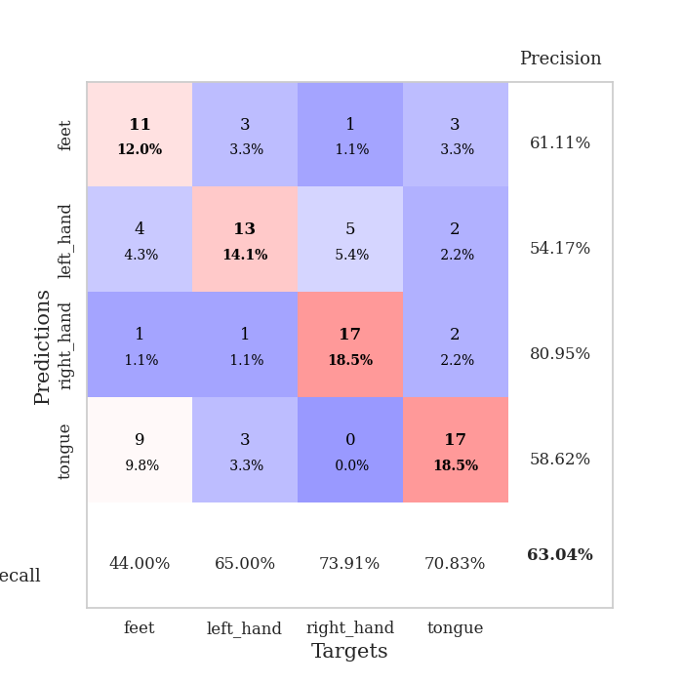
train_loss | valid_loss | train_accuracy | valid_accuracy | dur | train_misclass | valid_misclass
2.0507118225 | 4.2094355148 | 0.30706521739 | 0.27173913043 | 0.035449743271 | 30.706521739 | 27.173913043
1.6131519556 | 1.7772474341 | 0.57065217391 | 0.38043478261 | 0.034101247787 | 57.065217391 | 38.043478261
1.1946141481 | 4.394437707 | 0.4347826087 | 0.34782608696 | 0.033928632736 | 43.47826087 | 34.782608696
0.95113251209 | 5.9285722608 | 0.29619565217 | 0.28260869565 | 0.032783031464 | 29.619565217 | 28.260869565
0.84023145437 | 3.0301618058 | 0.47554347826 | 0.41304347826 | 0.032825708389 | 47.554347826 | 41.304347826
0.66617593765 | 1.9302145813 | 0.70923913043 | 0.54347826087 | 0.033578157425 | 70.923913043 | 54.347826087
0.67754141092 | 1.7812246965 | 0.83423913043 | 0.5652173913 | 0.033931493759 | 83.423913043 | 56.52173913
0.52234053016 | 1.6363308119 | 0.875 | 0.5652173913 | 0.033761262894 | 87.5 | 56.52173913
0.46370154619 | 1.7965360051 | 0.83695652174 | 0.53260869565 | 0.034043073654 | 83.695652174 | 53.260869565
0.44603707194 | 1.8401591622 | 0.86684782609 | 0.57608695652 | 0.033882141113 | 86.684782609 | 57.608695652
0.4700078249 | 1.7121122765 | 0.9402173913 | 0.55434782609 | 0.034196376801 | 94.02173913 | 55.434782609
0.43261168599 | 1.7611919538 | 0.95108695652 | 0.52173913043 | 0.034125566483 | 95.108695652 | 52.173913043
0.37753223777 | 1.9295463251 | 0.95108695652 | 0.52173913043 | 0.033798456192 | 95.108695652 | 52.173913043
0.31390982866 | 2.1812651054 | 0.95652173913 | 0.51086956522 | 0.033066034317 | 95.652173913 | 51.086956522
0.2907340914 | 1.7875800755 | 0.97826086957 | 0.54347826087 | 0.033359766006 | 97.826086957 | 54.347826087
0.22414307892 | 2.0703755254 | 0.96195652174 | 0.55434782609 | 0.034281253815 | 96.195652174 | 55.434782609
0.25098332465 | 2.0225067812 | 0.98097826087 | 0.55434782609 | 0.033169746399 | 98.097826087 | 55.434782609
0.23433893323 | 1.8464857651 | 0.98369565217 | 0.5652173913 | 0.033096551895 | 98.369565217 | 56.52173913
0.1678899467 | 1.8655259817 | 0.98097826087 | 0.55434782609 | 0.033771753311 | 98.097826087 | 55.434782609
0.20098203719 | 2.034456932 | 0.98097826087 | 0.57608695652 | 0.0340487957 | 98.097826087 | 57.608695652
0.17578550726 | 1.8936649976 | 0.9972826087 | 0.52173913043 | 0.034356355667 | 99.72826087 | 52.173913043
0.15636028796 | 1.8630352124 | 1 | 0.57608695652 | 0.033103227615 | 100 | 57.608695652
0.13545913622 | 1.8817513559 | 1 | 0.60869565217 | 0.033335208893 | 100 | 60.869565217
0.17693502158 | 1.895543736 | 1 | 0.59782608696 | 0.034227848053 | 100 | 59.782608696
0.077039936185 | 1.8957568614 | 1 | 0.57608695652 | 0.033217906952 | 100 | 57.608695652
0.1128731668 | 1.867314292 | 1 | 0.59782608696 | 0.033599853516 | 100 | 59.782608696
0.14888603389 | 1.9359936092 | 1 | 0.60869565217 | 0.03317284584 | 100 | 60.869565217
0.12488586903 | 1.9504781754 | 1 | 0.63043478261 | 0.034606218338 | 100 | 63.043478261
0.079992458969 | 1.9325352959 | 1 | 0.59782608696 | 0.033900499344 | 100 | 59.782608696
0.071159463003 | 1.9022197516 | 1 | 0.58695652174 | 0.033755779266 | 100 | 58.695652174
0.083569026738 | 1.8672690288 | 1 | 0.5652173913 | 0.032978773117 | 100 | 56.52173913
0.099482396245 | 1.9031606653 | 1 | 0.57608695652 | 0.033118724823 | 100 | 57.608695652
0.082037892193 | 1.9914346363 | 1 | 0.57608695652 | 0.033368825912 | 100 | 57.608695652
0.073095161095 | 2.0775950266 | 1 | 0.5652173913 | 0.033251523972 | 100 | 56.52173913
0.06663586162 | 2.0583622248 | 1 | 0.57608695652 | 0.03315114975 | 100 | 57.608695652
0.058717811666 | 2.0062239274 | 1 | 0.58695652174 | 0.033194065094 | 100 | 58.695652174
0.071056550369 | 1.9834865902 | 1 | 0.58695652174 | 0.033284902573 | 100 | 58.695652174
0.070254398882 | 1.9792461084 | 1 | 0.59782608696 | 0.03311753273 | 100 | 59.782608696
0.047073252499 | 1.9975687784 | 1 | 0.59782608696 | 0.033757925034 | 100 | 59.782608696
0.040544522554 | 1.979755044 | 1 | 0.60869565217 | 0.033247947693 | 100 | 60.869565217
0.049982115626 | 1.9747615638 | 1 | 0.59782608696 | 0.033310890198 | 100 | 59.782608696
0.1023082383 | 1.9696758778 | 1 | 0.60869565217 | 0.033111095428 | 100 | 60.869565217
0.083911328763 | 1.9708888272 | 1 | 0.61956521739 | 0.033182382584 | 100 | 61.956521739
0.044977328181 | 1.9660917469 | 1 | 0.63043478261 | 0.033210277557 | 100 | 63.043478261
0.052945977449 | 1.9710636294 | 1 | 0.63043478261 | 0.033591508865 | 100 | 63.043478261
0.047840183973 | 1.9694417974 | 1 | 0.63043478261 | 0.033765077591 | 100 | 63.043478261
0.077169707417 | 1.9722729818 | 1 | 0.63043478261 | 0.033273220062 | 100 | 63.043478261
0.049677237496 | 1.9695220667 | 1 | 0.61956521739 | 0.033234357834 | 100 | 61.956521739
0.077829516679 | 1.9655498163 | 1 | 0.60869565217 | 0.033394575119 | 100 | 60.869565217
0.056689219922 | 1.9686583073 | 1 | 0.61956521739 | 0.033489227295 | 100 | 61.956521739

Best Val accuracy is 0.6304347826086957 and Best test accuracy is 0.5344827586206896

Sheet8
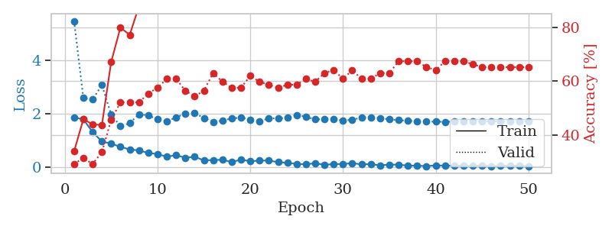
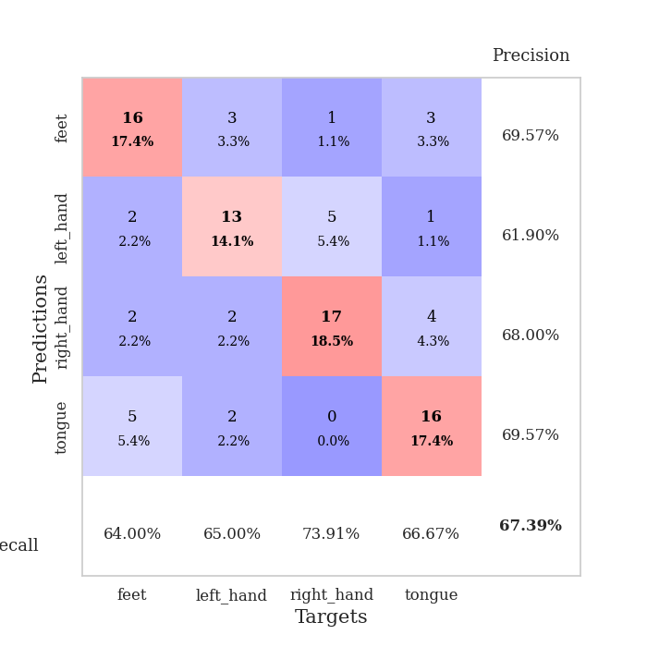
train_loss | valid_loss | train_accuracy | valid_accuracy | dur | train_misclass | valid_misclass
1.8644761086 | 5.4882798195 | 0.33967391304 | 0.29347826087 | 0.034654855728 | 33.967391304 | 29.347826087
1.7953632355 | 2.5982486165 | 0.45923913043 | 0.3152173913 | 0.032989501953 | 45.923913043 | 31.52173913
1.3149837971 | 2.5385325162 | 0.4402173913 | 0.29347826087 | 0.034424304962 | 44.02173913 | 29.347826087
0.96438523531 | 3.0849477001 | 0.4375 | 0.33695652174 | 0.033368825912 | 43.75 | 33.695652174
0.88147323132 | 1.9720741096 | 0.67119565217 | 0.45652173913 | 0.034212589264 | 67.119565217 | 45.652173913
0.76096643209 | 1.5376600908 | 0.79891304348 | 0.52173913043 | 0.03448176384 | 79.891304348 | 52.173913043
0.66250486374 | 1.6521582914 | 0.77173913043 | 0.52173913043 | 0.034132480621 | 77.173913043 | 52.173913043
0.62975355387 | 1.9865530263 | 0.8777173913 | 0.52173913043 | 0.033227443695 | 87.77173913 | 52.173913043
0.52942794561 | 1.9404671555 | 0.8722826087 | 0.55434782609 | 0.033176422119 | 87.22826087 | 55.434782609
0.49153566957 | 1.799380432 | 0.89673913043 | 0.57608695652 | 0.034189462662 | 89.673913043 | 57.608695652
0.38913487196 | 1.7210999935 | 0.92663043478 | 0.60869565217 | 0.034280061722 | 92.663043478 | 60.869565217
0.45076448917 | 1.8679043832 | 0.94836956522 | 0.60869565217 | 0.034220218658 | 94.836956522 | 60.869565217
0.35040951967 | 2.0134739098 | 0.92934782609 | 0.5652173913 | 0.034072160721 | 92.934782609 | 56.52173913
0.38836716413 | 2.0341101211 | 0.95923913043 | 0.54347826087 | 0.033610343933 | 95.923913043 | 54.347826087
0.25106428564 | 1.8426665275 | 0.95923913043 | 0.5652173913 | 0.03323340416 | 95.923913043 | 56.52173913
0.26771296263 | 1.7024090083 | 0.96739130435 | 0.63043478261 | 0.033648014069 | 96.739130435 | 63.043478261
0.27558997273 | 1.7447604978 | 0.98641304348 | 0.59782608696 | 0.034452676773 | 98.641304348 | 59.782608696
0.18820307553 | 1.8307981076 | 0.96467391304 | 0.57608695652 | 0.033834934235 | 96.467391304 | 57.608695652
0.28253235519 | 1.8575654289 | 0.98369565217 | 0.57608695652 | 0.033391714096 | 98.369565217 | 57.608695652
0.21861656606 | 1.7892414746 | 0.98641304348 | 0.61956521739 | 0.033429861069 | 98.641304348 | 61.956521739
0.24355584681 | 1.7234067139 | 0.9972826087 | 0.59782608696 | 0.033267974854 | 99.72826087 | 59.782608696
0.24774436057 | 1.8303499118 | 1 | 0.58695652174 | 0.034074068069 | 100 | 58.695652174
0.1854224667 | 1.8303044464 | 0.99456521739 | 0.57608695652 | 0.033557653427 | 99.456521739 | 57.608695652
0.1644989863 | 1.8539466806 | 0.99456521739 | 0.58695652174 | 0.033301591873 | 99.456521739 | 58.695652174
0.1169503957 | 1.9598684622 | 0.98913043478 | 0.58695652174 | 0.033195495605 | 98.913043478 | 58.695652174
0.10829139203 | 1.893678292 | 0.99456521739 | 0.60869565217 | 0.033221960068 | 99.456521739 | 60.869565217
0.14266979434 | 1.7914557612 | 0.9972826087 | 0.59782608696 | 0.033920288086 | 99.72826087 | 59.782608696
0.087411854416 | 1.803552923 | 1 | 0.63043478261 | 0.033221006393 | 100 | 63.043478261
0.11233264953 | 1.8127995522 | 1 | 0.64130434783 | 0.033166885376 | 100 | 64.130434783
0.11760148257 | 1.747224362 | 0.9972826087 | 0.60869565217 | 0.03434419632 | 99.72826087 | 60.869565217
0.14642840102 | 1.7794221121 | 1 | 0.64130434783 | 0.033494472504 | 100 | 64.130434783
0.1039688319 | 1.8601876394 | 1 | 0.60869565217 | 0.033351421356 | 100 | 60.869565217
0.11143782064 | 1.8577478658 | 1 | 0.60869565217 | 0.033666610718 | 100 | 60.869565217
0.063899049163 | 1.8436983046 | 1 | 0.63043478261 | 0.033587217331 | 100 | 63.043478261
0.09518786557 | 1.7903052517 | 1 | 0.63043478261 | 0.033318519592 | 100 | 63.043478261
0.090322834998 | 1.7642328946 | 1 | 0.67391304348 | 0.034213781357 | 100 | 67.391304348
0.057790993154 | 1.738084223 | 1 | 0.67391304348 | 0.032738685608 | 100 | 67.391304348
0.051188007742 | 1.7247968394 | 1 | 0.67391304348 | 0.033657073975 | 100 | 67.391304348
0.038872980326 | 1.7150466442 | 1 | 0.65217391304 | 0.033923864365 | 100 | 65.217391304
0.062114208937 | 1.7036129962 | 1 | 0.64130434783 | 0.033356904984 | 100 | 64.130434783
0.056227416545 | 1.7027264574 | 1 | 0.67391304348 | 0.03395819664 | 100 | 67.391304348
0.055007455498 | 1.7075031166 | 1 | 0.67391304348 | 0.03338766098 | 100 | 67.391304348
0.053387094289 | 1.7133085417 | 1 | 0.67391304348 | 0.033709764481 | 100 | 67.391304348
0.048357834294 | 1.7188445641 | 1 | 0.66304347826 | 0.03306221962 | 100 | 66.304347826
0.0582542032 | 1.7177320045 | 1 | 0.65217391304 | 0.033309221268 | 100 | 65.217391304
0.033399538416 | 1.71570002 | 1 | 0.65217391304 | 0.033171415329 | 100 | 65.217391304
0.04452316314 | 1.7149514012 | 1 | 0.65217391304 | 0.033050298691 | 100 | 65.217391304
0.058057631552 | 1.7163610821 | 1 | 0.65217391304 | 0.0330286026 | 100 | 65.217391304
0.051669907197 | 1.7153498919 | 1 | 0.65217391304 | 0.033229827881 | 100 | 65.217391304
0.036711897328 | 1.7153010835 | 1 | 0.65217391304 | 0.033390522003 | 100 | 65.217391304

Best Val accuracy is 0.6739130434782609 and Best test accuracy is 0.6551724137931034

Sheet9
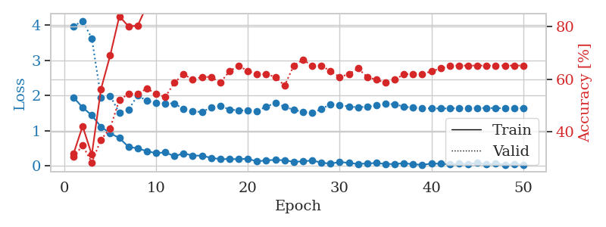
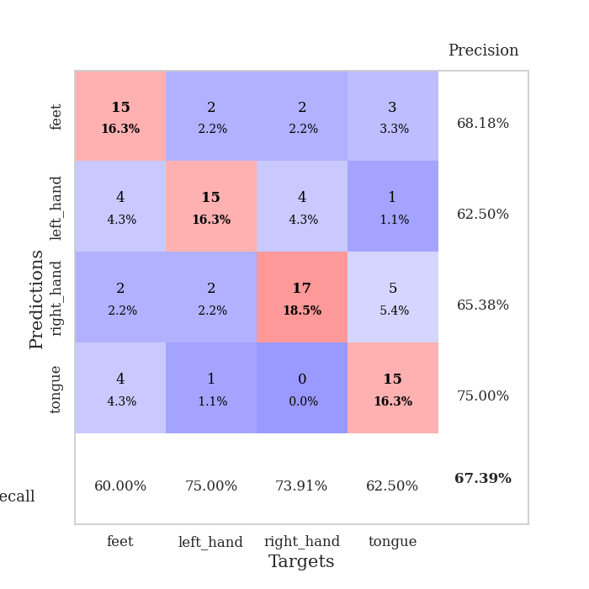
train_loss | valid_loss | train_accuracy | valid_accuracy | dur | train_misclass | valid_misclass
1.9532507658 | 3.9702488858 | 0.3152173913 | 0.30434782609 | 0.034517526627 | 31.52173913 | 30.434782609
1.663888979 | 4.126068561 | 0.42119565217 | 0.34782608696 | 0.032508850098 | 42.119565217 | 34.782608696
1.4396594286 | 3.6269603087 | 0.3125 | 0.28260869565 | 0.033454179764 | 31.25 | 28.260869565
1.1134271979 | 1.9507249231 | 0.5625 | 0.36956521739 | 0.032471895218 | 56.25 | 36.956521739
0.93245545626 | 1.9909166409 | 0.6902173913 | 0.41304347826 | 0.032621860504 | 69.02173913 | 41.304347826
0.79529393911 | 1.5159508197 | 0.83967391304 | 0.52173913043 | 0.032586812973 | 83.967391304 | 52.173913043
0.54423627853 | 1.5991393069 | 0.80163043478 | 0.54347826087 | 0.032618522644 | 80.163043478 | 54.347826087
0.50083327889 | 2.0090521108 | 0.80434782609 | 0.54347826087 | 0.032644510269 | 80.434782609 | 54.347826087
0.42159201503 | 1.8493400968 | 0.88043478261 | 0.5652173913 | 0.032405614853 | 88.043478261 | 56.52173913
0.36616494954 | 1.7945627337 | 0.92391304348 | 0.54347826087 | 0.032601594925 | 92.391304348 | 54.347826087
0.38807679415 | 1.7777077944 | 0.93206521739 | 0.53260869565 | 0.035120487213 | 93.206521739 | 53.260869565
0.27924470305 | 1.7803569306 | 0.92934782609 | 0.58695652174 | 0.032253265381 | 92.934782609 | 58.695652174
0.35996201634 | 1.6153219472 | 0.96739130435 | 0.61956521739 | 0.033360004425 | 96.739130435 | 61.956521739
0.29722301364 | 1.5461605684 | 0.94293478261 | 0.59782608696 | 0.032532215118 | 94.293478261 | 59.782608696
0.29393009245 | 1.5389668579 | 0.97010869565 | 0.60869565217 | 0.032313585281 | 97.010869565 | 60.869565217
0.23152053356 | 1.6610315105 | 0.98913043478 | 0.60869565217 | 0.032484531403 | 98.913043478 | 60.869565217
0.19617678821 | 1.7116049528 | 0.98641304348 | 0.58695652174 | 0.032515525818 | 98.641304348 | 58.695652174
0.19837884605 | 1.60728452 | 0.9972826087 | 0.63043478261 | 0.032418966293 | 99.72826087 | 63.043478261
0.19354051352 | 1.5811249225 | 0.99456521739 | 0.65217391304 | 0.0328540802 | 99.456521739 | 65.217391304
0.20648165196 | 1.5781565697 | 0.98641304348 | 0.63043478261 | 0.033096075058 | 98.641304348 | 63.043478261
0.12920001745 | 1.5561859038 | 0.99184782609 | 0.61956521739 | 0.032787799835 | 99.184782609 | 61.956521739
0.16438756585 | 1.6908475472 | 0.99184782609 | 0.61956521739 | 0.032712459564 | 99.184782609 | 61.956521739
0.17270887196 | 1.7865763022 | 0.99456521739 | 0.60869565217 | 0.032861948013 | 99.456521739 | 60.869565217
0.16332505047 | 1.6835600708 | 0.99456521739 | 0.57608695652 | 0.033976316452 | 99.456521739 | 57.608695652
0.11941955797 | 1.5960939708 | 1 | 0.65217391304 | 0.032418727875 | 100 | 65.217391304
0.13187841475 | 1.5404706882 | 0.9972826087 | 0.67391304348 | 0.03252196312 | 99.72826087 | 67.391304348
0.15794305205 | 1.5116226414 | 0.9972826087 | 0.65217391304 | 0.032827854156 | 99.72826087 | 65.217391304
0.097548104078 | 1.6162405429 | 1 | 0.65217391304 | 0.032574653625 | 100 | 65.217391304
0.064810220897 | 1.7595463991 | 1 | 0.63043478261 | 0.032481193542 | 100 | 63.043478261
0.11831051186 | 1.7352317986 | 1 | 0.60869565217 | 0.03248333931 | 100 | 60.869565217
0.084905472398 | 1.6907263165 | 1 | 0.61956521739 | 0.032462358475 | 100 | 61.956521739
0.06064395085 | 1.6684849625 | 0.9972826087 | 0.64130434783 | 0.032464981079 | 99.72826087 | 64.130434783
0.071594605595 | 1.6863266592 | 1 | 0.60869565217 | 0.032551527023 | 100 | 60.869565217
0.087040401995 | 1.7254419171 | 1 | 0.59782608696 | 0.032601594925 | 100 | 59.782608696
0.055819466338 | 1.7670843342 | 1 | 0.58695652174 | 0.032474756241 | 100 | 58.695652174
0.057864895463 | 1.7539595728 | 0.9972826087 | 0.59782608696 | 0.032522916794 | 99.72826087 | 59.782608696
0.080148904398 | 1.6880443925 | 1 | 0.61956521739 | 0.032429218292 | 100 | 61.956521739
0.050560478121 | 1.6545123121 | 1 | 0.61956521739 | 0.032595872879 | 100 | 61.956521739
0.035773056 | 1.6411092955 | 1 | 0.61956521739 | 0.032479047775 | 100 | 61.956521739
0.068525861949 | 1.6368927178 | 1 | 0.63043478261 | 0.032447099686 | 100 | 63.043478261
0.066122721881 | 1.6362330343 | 1 | 0.64130434783 | 0.032544851303 | 100 | 64.130434783
0.043972236663 | 1.637071397 | 1 | 0.65217391304 | 0.032444477081 | 100 | 65.217391304
0.062424774468 | 1.6470608763 | 1 | 0.65217391304 | 0.03244304657 | 100 | 65.217391304
0.054017645121 | 1.6463581531 | 1 | 0.65217391304 | 0.032421827316 | 100 | 65.217391304
0.085897494853 | 1.6500235951 | 1 | 0.65217391304 | 0.032603979111 | 100 | 65.217391304
0.042268394306 | 1.6477566439 | 1 | 0.65217391304 | 0.032428503036 | 100 | 65.217391304
0.070229878277 | 1.6462917743 | 1 | 0.65217391304 | 0.032524347305 | 100 | 65.217391304
0.039860503003 | 1.6417962416 | 1 | 0.65217391304 | 0.032864093781 | 100 | 65.217391304
0.049736198038 | 1.6421422025 | 1 | 0.65217391304 | 0.032527685165 | 100 | 65.217391304
0.039259771258 | 1.6447815325 | 1 | 0.65217391304 | 0.032474279404 | 100 | 65.217391304

Best Val accuracy is 0.6739130434782609 and Best test accuracy is 0.6379310344827587

Sheet10
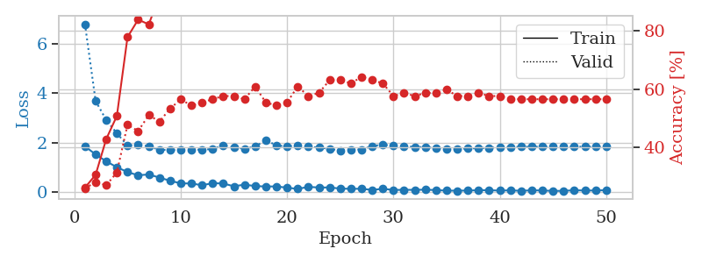
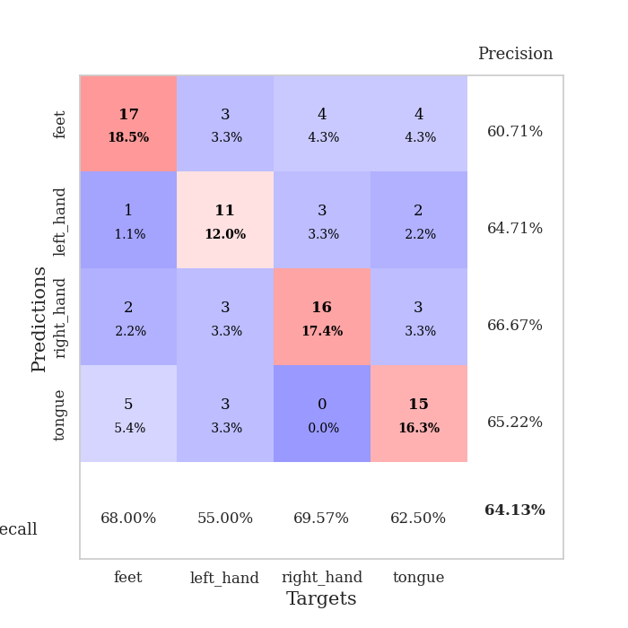
train_loss | valid_loss | train_accuracy | valid_accuracy | dur | train_misclass | valid_misclass
1.8453142643 | 6.7835740421 | 0.26358695652 | 0.26086956522 | 0.034374237061 | 26.358695652 | 26.086956522
1.5166329861 | 3.6795590753 | 0.30706521739 | 0.28260869565 | 0.032710313797 | 30.706521739 | 28.260869565
1.2389105558 | 2.9070778204 | 0.42934782609 | 0.27173913043 | 0.032434940338 | 42.934782609 | 27.173913043
1.0002395988 | 2.3713883006 | 0.50815217391 | 0.3152173913 | 0.03342294693 | 50.815217391 | 31.52173913
0.80549060106 | 1.8761186081 | 0.77717391304 | 0.47826086957 | 0.033416509628 | 77.717391304 | 47.826086957
0.67350431681 | 1.9185698292 | 0.83695652174 | 0.45652173913 | 0.033784866333 | 83.695652174 | 45.652173913
0.70912150145 | 1.8390997337 | 0.82065217391 | 0.51086956522 | 0.033173322678 | 82.065217391 | 51.086956522
0.58049544692 | 1.7087630293 | 0.91847826087 | 0.48913043478 | 0.033577203751 | 91.847826087 | 48.913043478
0.45529002547 | 1.6923411929 | 0.9375 | 0.53260869565 | 0.033532142639 | 93.75 | 53.260869565
0.34661591351 | 1.6923932718 | 0.94565217391 | 0.5652173913 | 0.03387260437 | 94.565217391 | 56.52173913
0.34491997361 | 1.6957926698 | 0.94293478261 | 0.54347826087 | 0.03378534317 | 94.293478261 | 54.347826087
0.27242107987 | 1.7142936406 | 0.95923913043 | 0.55434782609 | 0.033769369125 | 95.923913043 | 55.434782609
0.35459615886 | 1.7293668467 | 0.96195652174 | 0.5652173913 | 0.033731460571 | 96.195652174 | 56.52173913
0.34362861812 | 1.8941223621 | 0.96739130435 | 0.57608695652 | 0.033845186234 | 96.739130435 | 57.608695652
0.22924689949 | 1.79645982 | 0.95923913043 | 0.57608695652 | 0.034157991409 | 95.923913043 | 57.608695652
0.29710768759 | 1.7525817311 | 0.96739130435 | 0.5652173913 | 0.033606052399 | 96.739130435 | 56.52173913
0.23824706078 | 1.8354876871 | 0.95652173913 | 0.60869565217 | 0.03379368782 | 95.652173913 | 60.869565217
0.22196712494 | 2.0918373751 | 0.96195652174 | 0.55434782609 | 0.034194469452 | 96.195652174 | 55.434782609
0.22403643429 | 1.8863985746 | 0.99184782609 | 0.54347826087 | 0.034168720245 | 99.184782609 | 54.347826087
0.17364962846 | 1.8339291189 | 0.99456521739 | 0.55434782609 | 0.033563375473 | 99.456521739 | 55.434782609
0.12365315557 | 1.8905926269 | 0.98097826087 | 0.60869565217 | 0.033236980438 | 98.097826087 | 60.869565217
0.20620029569 | 1.8270007372 | 0.9972826087 | 0.57608695652 | 0.033192157745 | 99.72826087 | 57.608695652
0.18123751283 | 1.7988870818 | 1 | 0.58695652174 | 0.033260822296 | 100 | 58.695652174
0.18307066858 | 1.7431244487 | 0.99456521739 | 0.63043478261 | 0.033113718033 | 99.456521739 | 63.043478261
0.13758310899 | 1.6737264395 | 1 | 0.63043478261 | 0.03432059288 | 100 | 63.043478261
0.12693522125 | 1.7169085637 | 1 | 0.61956521739 | 0.033429145813 | 100 | 61.956521739
0.13052027822 | 1.7147557943 | 1 | 0.64130434783 | 0.033188819885 | 100 | 64.130434783
0.082156262547 | 1.8559201178 | 1 | 0.63043478261 | 0.034267187119 | 100 | 63.043478261
0.12907080501 | 1.9122870228 | 1 | 0.61956521739 | 0.034125089645 | 100 | 61.956521739
0.08107759133 | 1.86668906 | 1 | 0.57608695652 | 0.033257961273 | 100 | 57.608695652
0.087165611982 | 1.8500387098 | 1 | 0.58695652174 | 0.03333234787 | 100 | 58.695652174
0.084827353805 | 1.8207035998 | 1 | 0.57608695652 | 0.035335540771 | 100 | 57.608695652
0.093098629266 | 1.8125591589 | 1 | 0.58695652174 | 0.034181118011 | 100 | 58.695652174
0.075866532326 | 1.7776454376 | 1 | 0.58695652174 | 0.03404378891 | 100 | 58.695652174
0.054891261458 | 1.7502344017 | 1 | 0.59782608696 | 0.034133434296 | 100 | 59.782608696
0.052414676547 | 1.7494657817 | 1 | 0.57608695652 | 0.034507751465 | 100 | 57.608695652
0.058381962404 | 1.7552365065 | 1 | 0.57608695652 | 0.033945560455 | 100 | 57.608695652
0.070495830476 | 1.7739642496 | 1 | 0.58695652174 | 0.033624649048 | 100 | 58.695652174
0.072649418563 | 1.7842719607 | 1 | 0.57608695652 | 0.034018516541 | 100 | 57.608695652
0.054507154971 | 1.8049822216 | 1 | 0.57608695652 | 0.034115552902 | 100 | 57.608695652
0.068131361529 | 1.8139228251 | 1 | 0.5652173913 | 0.033111572266 | 100 | 56.52173913
0.045652315766 | 1.826520671 | 1 | 0.5652173913 | 0.033399105072 | 100 | 56.52173913
0.068811928108 | 1.8268302835 | 1 | 0.5652173913 | 0.032953739166 | 100 | 56.52173913
0.059975291789 | 1.8294925275 | 1 | 0.5652173913 | 0.03306722641 | 100 | 56.52173913
0.043983573839 | 1.8271328366 | 1 | 0.5652173913 | 0.033131122589 | 100 | 56.52173913
0.045321603864 | 1.8271121823 | 1 | 0.5652173913 | 0.033167123795 | 100 | 56.52173913
0.070578093827 | 1.8303962479 | 1 | 0.5652173913 | 0.033568143845 | 100 | 56.52173913
0.059700196609 | 1.8281158831 | 1 | 0.5652173913 | 0.033267974854 | 100 | 56.52173913
0.059832345322 | 1.8291214705 | 1 | 0.5652173913 | 0.033170223236 | 100 | 56.52173913
0.073453067988 | 1.8268013311 | 1 | 0.5652173913 | 0.033062934875 | 100 | 56.52173913

Best Val accuracy is 0.6413043478260869 and Best test accuracy is 0.6206896551724138

