Sheet
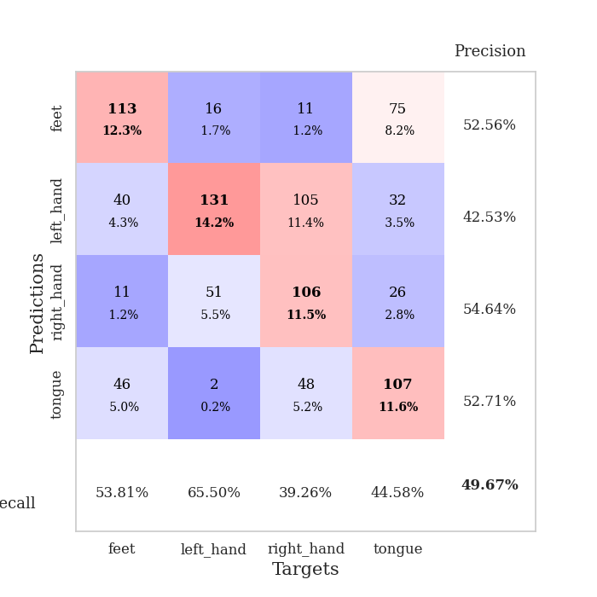
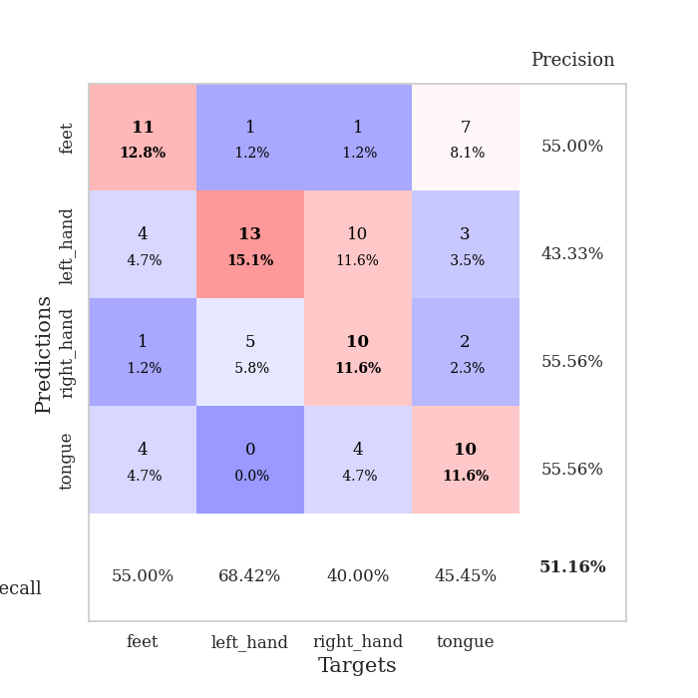
best_val_acc | best_val_los | best_test_acc
0.51086956522 | 1.8008898756 | 0.47413793103
0.53260869565 | 1.5872924121 | 0.33620689655
0.48913043478 | 2.005552862 | 0.41379310345
0.48913043478 | 1.7579953774 | 0.45689655172
0.47826086957 | 1.8611418786 | 0.43103448276
0.5 | 1.7730952242 | 0.39655172414
0.47826086957 | 1.7187198452 | 0.41379310345
0.48913043478 | 1.6357935304 | 0.39655172414
0.52173913043 | 1.6434220957 | 0.48275862069
0.47826086957 | 1.9591511643 | 0.41379310345

Mean,std Val accuracy is 0.4967391304347826 , 0.019206316348838515 and mean, std test accuracy is 0.42155172413793107 , 0.04290182729876119

Sheet1
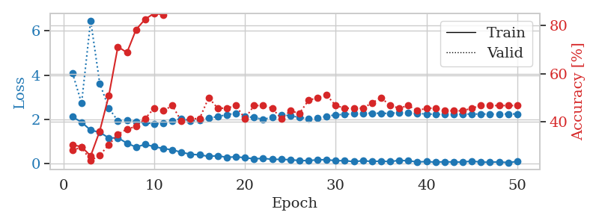
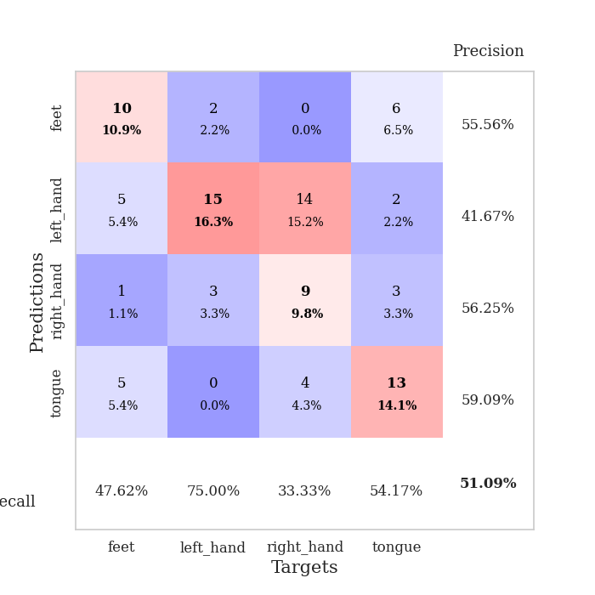
train_loss | valid_loss | train_accuracy | valid_accuracy | dur | train_misclass | valid_misclass
2.1222198963 | 4.0962869395 | 0.30434782609 | 0.28260869565 | 0.035485506058 | 30.434782609 | 28.260869565
1.8785265207 | 2.734326176 | 0.29619565217 | 0.29347826087 | 0.03458571434 | 29.619565217 | 29.347826087
1.5181331396 | 6.4650186041 | 0.25815217391 | 0.23913043478 | 0.034280061722 | 25.815217391 | 23.913043478
1.4271912813 | 3.6305029185 | 0.36141304348 | 0.26086956522 | 0.033723592758 | 36.141304348 | 26.086956522
1.1662514806 | 2.5151758609 | 0.50815217391 | 0.30434782609 | 0.033180713654 | 50.815217391 | 30.434782609
1.1756997228 | 1.9368737366 | 0.71195652174 | 0.34782608696 | 0.034466743469 | 71.195652174 | 34.782608696
0.93316687346 | 1.9683595948 | 0.6875 | 0.36956521739 | 0.034069538116 | 68.75 | 36.956521739
0.75484565496 | 1.8952829527 | 0.78260869565 | 0.38043478261 | 0.033943653107 | 78.260869565 | 38.043478261
0.87850365639 | 1.8645537936 | 0.82608695652 | 0.41304347826 | 0.03299498558 | 82.608695652 | 41.304347826
0.77547030449 | 1.8008898756 | 0.85054347826 | 0.45652173913 | 0.034298181534 | 85.054347826 | 45.652173913
0.69078207016 | 1.8320559315 | 0.84510869565 | 0.44565217391 | 0.034137964249 | 84.510869565 | 44.565217391
0.6326649189 | 1.9478218763 | 0.9375 | 0.46739130435 | 0.033324241638 | 93.75 | 46.739130435
0.52071146369 | 2.0426405927 | 0.92663043478 | 0.40217391304 | 0.03374505043 | 92.663043478 | 40.217391304
0.43290812969 | 1.9245988908 | 0.92934782609 | 0.41304347826 | 0.034038543701 | 92.934782609 | 41.304347826
0.40633330941 | 1.9823880299 | 0.95108695652 | 0.41304347826 | 0.034054040909 | 95.108695652 | 41.304347826
0.33794544935 | 2.0685041469 | 0.96195652174 | 0.5 | 0.033179283142 | 96.195652174 | 50
0.36642121077 | 2.1316365988 | 0.98097826087 | 0.45652173913 | 0.034327745438 | 98.097826087 | 45.652173913
0.2922703743 | 2.2167149523 | 0.97826086957 | 0.45652173913 | 0.03421163559 | 97.826086957 | 45.652173913
0.31834132671 | 2.2868892317 | 0.98369565217 | 0.46739130435 | 0.034353256226 | 98.369565217 | 46.739130435
0.27591287494 | 2.1407341024 | 0.97826086957 | 0.41304347826 | 0.035054445267 | 97.826086957 | 41.304347826
0.22943392098 | 2.089156327 | 0.99184782609 | 0.46739130435 | 0.032601594925 | 99.184782609 | 46.739130435
0.24678578675 | 2.0089292319 | 0.99184782609 | 0.46739130435 | 0.033316612244 | 99.184782609 | 46.739130435
0.20530108213 | 2.1014172824 | 0.9972826087 | 0.45652173913 | 0.032614469528 | 99.72826087 | 45.652173913
0.2017054975 | 2.2094134248 | 0.9972826087 | 0.41304347826 | 0.032849311829 | 99.72826087 | 41.304347826
0.1872490257 | 2.1724406014 | 1 | 0.44565217391 | 0.032837629318 | 100 | 44.565217391
0.14859301597 | 2.0961936349 | 0.9972826087 | 0.4347826087 | 0.035142183304 | 99.72826087 | 43.47826087
0.14701285288 | 2.0282337977 | 1 | 0.48913043478 | 0.032413005829 | 100 | 48.913043478
0.18216336071 | 2.0612215788 | 1 | 0.5 | 0.033184051514 | 100 | 50
0.18786397576 | 2.1511053313 | 1 | 0.51086956522 | 0.032594442368 | 100 | 51.086956522
0.14272565395 | 2.2079711271 | 1 | 0.46739130435 | 0.033504247665 | 100 | 46.739130435
0.14362823516 | 2.2357546454 | 1 | 0.45652173913 | 0.033449172974 | 100 | 45.652173913
0.10024699569 | 2.2654938076 | 1 | 0.45652173913 | 0.033012628555 | 100 | 45.652173913
0.14159892946 | 2.2785740417 | 1 | 0.45652173913 | 0.032960653305 | 100 | 45.652173913
0.1070499301 | 2.2882536287 | 1 | 0.47826086957 | 0.034232378006 | 100 | 47.826086957
0.12493482232 | 2.2813163322 | 1 | 0.5 | 0.033655405045 | 100 | 50
0.099998748302 | 2.2770818109 | 1 | 0.46739130435 | 0.03342962265 | 100 | 46.739130435
0.1608863458 | 2.3177124521 | 1 | 0.45652173913 | 0.03361582756 | 100 | 45.652173913
0.13503164798 | 2.3023907102 | 1 | 0.46739130435 | 0.034015655518 | 100 | 46.739130435
0.088556645066 | 2.274643587 | 1 | 0.44565217391 | 0.034083604813 | 100 | 44.565217391
0.10087501183 | 2.2486775647 | 1 | 0.45652173913 | 0.033759593964 | 100 | 45.652173913
0.077912674844 | 2.2393582697 | 1 | 0.45652173913 | 0.032736301422 | 100 | 45.652173913
0.095116223395 | 2.235961997 | 1 | 0.44565217391 | 0.0327501297 | 100 | 44.565217391
0.082495130599 | 2.2371814769 | 1 | 0.44565217391 | 0.033169269562 | 100 | 44.565217391
0.081063832343 | 2.2468371288 | 1 | 0.44565217391 | 0.033527374268 | 100 | 44.565217391
0.12707165629 | 2.245693383 | 1 | 0.45652173913 | 0.033480167389 | 100 | 45.652173913
0.077071002126 | 2.2491475292 | 1 | 0.46739130435 | 0.033272743225 | 100 | 46.739130435
0.07697776258 | 2.2478085083 | 1 | 0.46739130435 | 0.033290147781 | 100 | 46.739130435
0.087850502133 | 2.249407167 | 1 | 0.46739130435 | 0.033207893372 | 100 | 46.739130435
0.057459287718 | 2.2502880718 | 1 | 0.46739130435 | 0.033171892166 | 100 | 46.739130435
0.10663389787 | 2.2517977797 | 1 | 0.46739130435 | 0.033172369003 | 100 | 46.739130435

Best Val accuracy is 0.5108695652173914 and Best test accuracy is 0.47413793103448276

Sheet2
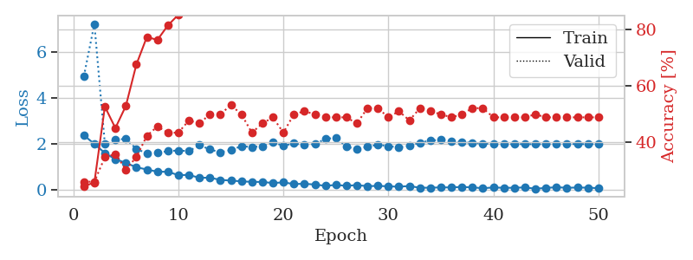
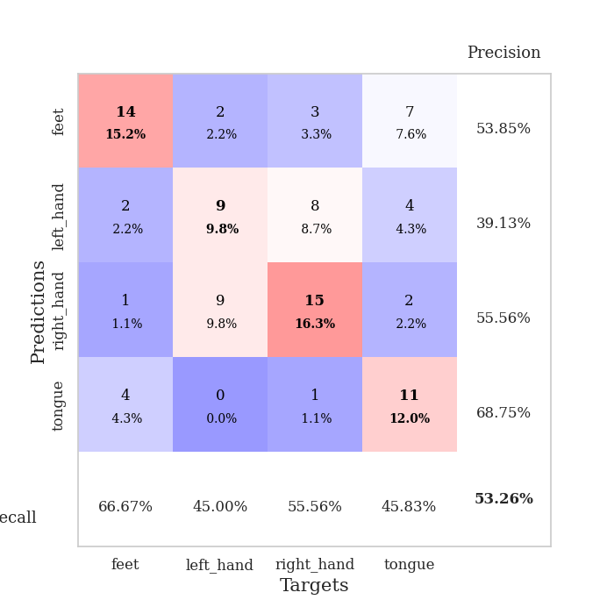
train_loss | valid_loss | train_accuracy | valid_accuracy | dur | train_misclass | valid_misclass
2.3732043982 | 4.9330553179 | 0.24456521739 | 0.26086956522 | 0.035393238068 | 24.456521739 | 26.086956522
1.9953050375 | 7.2084306634 | 0.25815217391 | 0.26086956522 | 0.034331798553 | 25.815217391 | 26.086956522
1.6023630857 | 1.9839286493 | 0.52717391304 | 0.34782608696 | 0.034356594086 | 52.717391304 | 34.782608696
1.3325905442 | 2.1831632075 | 0.45108695652 | 0.35869565217 | 0.034468173981 | 45.108695652 | 35.869565217
1.1750172138 | 2.2150716367 | 0.52989130435 | 0.30434782609 | 0.034661054611 | 52.989130435 | 30.434782609
0.9835677743 | 1.7811837196 | 0.67663043478 | 0.34782608696 | 0.033316373825 | 67.663043478 | 34.782608696
0.88719131947 | 1.5872924121 | 0.77445652174 | 0.42391304348 | 0.034219026566 | 77.445652174 | 42.391304348
0.79173635244 | 1.610649451 | 0.76358695652 | 0.45652173913 | 0.03440451622 | 76.358695652 | 45.652173913
0.78931837082 | 1.6819577943 | 0.8152173913 | 0.4347826087 | 0.034248113632 | 81.52173913 | 43.47826087
0.64174726009 | 1.7160303904 | 0.85326086957 | 0.4347826087 | 0.033626794815 | 85.326086957 | 43.47826087
0.65263798237 | 1.6815471027 | 0.88043478261 | 0.47826086957 | 0.033720016479 | 88.043478261 | 47.826086957
0.5265776515 | 1.9476326445 | 0.90489130435 | 0.46739130435 | 0.034380912781 | 90.489130435 | 46.739130435
0.53319760561 | 1.7552566217 | 0.91576086957 | 0.5 | 0.034216880798 | 91.576086957 | 50
0.43566997647 | 1.6350507114 | 0.95380434783 | 0.5 | 0.034384250641 | 95.380434783 | 50
0.4074341476 | 1.736419118 | 0.92119565217 | 0.53260869565 | 0.034101247787 | 92.119565217 | 53.260869565
0.3728572607 | 1.8960673913 | 0.96739130435 | 0.5 | 0.03639626503 | 96.739130435 | 50
0.35041137934 | 1.8650270649 | 0.9402173913 | 0.4347826087 | 0.032462596893 | 94.02173913 | 43.47826087
0.3471767962 | 1.8897837867 | 0.95108695652 | 0.46739130435 | 0.03375005722 | 95.108695652 | 46.739130435
0.29966429472 | 2.0656089575 | 0.96739130435 | 0.48913043478 | 0.034028291702 | 96.739130435 | 48.913043478
0.32934144139 | 1.9214098246 | 0.98641304348 | 0.4347826087 | 0.033874750137 | 98.641304348 | 43.47826087
0.25468019545 | 2.0197242136 | 0.98913043478 | 0.5 | 0.034217596054 | 98.913043478 | 50
0.26978591084 | 1.949261344 | 0.9972826087 | 0.51086956522 | 0.034509658813 | 99.72826087 | 51.086956522
0.23364510834 | 1.9937964419 | 0.99184782609 | 0.5 | 0.033405065536 | 99.184782609 | 50
0.17885815054 | 2.2085266632 | 0.9972826087 | 0.48913043478 | 0.033242464066 | 99.72826087 | 48.913043478
0.2155561775 | 2.2698338032 | 0.98913043478 | 0.48913043478 | 0.03373670578 | 98.913043478 | 48.913043478
0.18052181602 | 1.8832384814 | 1 | 0.48913043478 | 0.033378362656 | 100 | 48.913043478
0.20951212645 | 1.760934498 | 1 | 0.46739130435 | 0.03332901001 | 100 | 46.739130435
0.16431817561 | 1.8775262522 | 1 | 0.52173913043 | 0.033250808716 | 100 | 52.173913043
0.17560149729 | 1.958382876 | 1 | 0.52173913043 | 0.034230709076 | 100 | 52.173913043
0.15750934333 | 1.9018763459 | 1 | 0.48913043478 | 0.033409833908 | 100 | 48.913043478
0.13970188946 | 1.8462451645 | 1 | 0.51086956522 | 0.033681869507 | 100 | 51.086956522
0.17137891948 | 1.9171935061 | 1 | 0.47826086957 | 0.033474206924 | 100 | 47.826086957
0.092843136191 | 2.0535595002 | 1 | 0.52173913043 | 0.033236980438 | 100 | 52.173913043
0.098456145078 | 2.1420961256 | 1 | 0.51086956522 | 0.035973310471 | 100 | 51.086956522
0.10846910179 | 2.176540976 | 1 | 0.5 | 0.032445192337 | 100 | 50
0.11039348394 | 2.1185421114 | 1 | 0.48913043478 | 0.033807754517 | 100 | 48.913043478
0.12879178077 | 2.0715086771 | 1 | 0.5 | 0.034031391144 | 100 | 50
0.11148350015 | 2.0457955962 | 1 | 0.52173913043 | 0.033989667892 | 100 | 52.173913043
0.074313147366 | 2.0124971763 | 1 | 0.52173913043 | 0.034177541733 | 100 | 52.173913043
0.10735874549 | 2.0017017074 | 1 | 0.48913043478 | 0.033942461014 | 100 | 48.913043478
0.09198878333 | 1.9833604253 | 1 | 0.48913043478 | 0.034188508987 | 100 | 48.913043478
0.094827158004 | 1.988061708 | 1 | 0.48913043478 | 0.034150600433 | 100 | 48.913043478
0.10840565264 | 1.9910529282 | 1 | 0.48913043478 | 0.034220457077 | 100 | 48.913043478
0.053264266998 | 1.9825530052 | 1 | 0.5 | 0.034178256989 | 100 | 50
0.087232359499 | 1.9875449616 | 1 | 0.48913043478 | 0.034083366394 | 100 | 48.913043478
0.11782947257 | 1.994174439 | 1 | 0.48913043478 | 0.03410577774 | 100 | 48.913043478
0.093321123719 | 1.9943825266 | 1 | 0.48913043478 | 0.034169912338 | 100 | 48.913043478
0.10452346653 | 1.989600306 | 1 | 0.48913043478 | 0.034171819687 | 100 | 48.913043478
0.098099988699 | 1.9881784398 | 1 | 0.48913043478 | 0.034024477005 | 100 | 48.913043478
0.077209450305 | 1.9862184317 | 1 | 0.48913043478 | 0.034183979034 | 100 | 48.913043478

Best Val accuracy is 0.532608695652174 and Best test accuracy is 0.33620689655172414

Sheet3
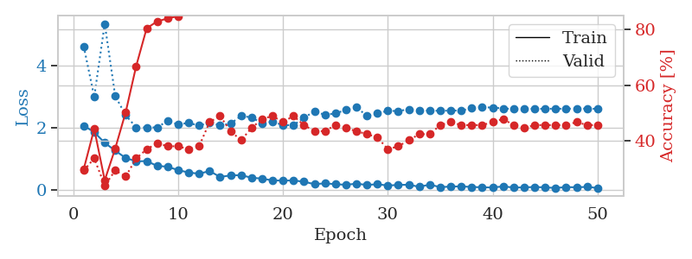
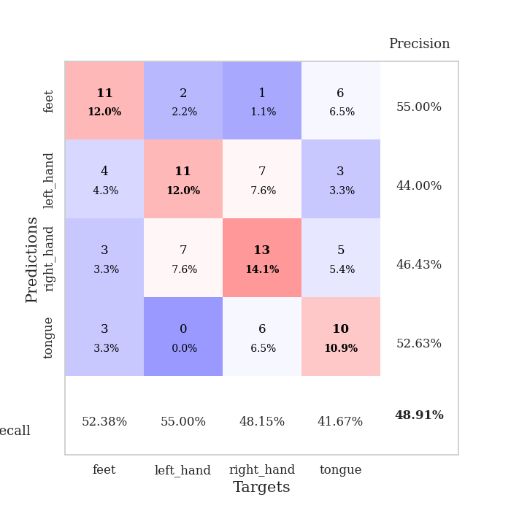
train_loss | valid_loss | train_accuracy | valid_accuracy | dur | train_misclass | valid_misclass
2.0662012815 | 4.6185083182 | 0.29891304348 | 0.29347826087 | 0.035798549652 | 29.891304348 | 29.347826087
1.854153347 | 2.9949494963 | 0.44293478261 | 0.33695652174 | 0.034534454346 | 44.293478261 | 33.695652174
1.512001729 | 5.3486652789 | 0.25815217391 | 0.23913043478 | 0.034706354141 | 25.815217391 | 23.913043478
1.2613857746 | 3.0196687139 | 0.3722826087 | 0.29347826087 | 0.034329175949 | 37.22826087 | 29.347826087
1.0224703431 | 2.4017544 | 0.5027173913 | 0.27173913043 | 0.034217119217 | 50.27173913 | 27.173913043
0.91586341858 | 2.0083291738 | 0.66847826087 | 0.33695652174 | 0.034337043762 | 66.847826087 | 33.695652174
0.92358469963 | 2.005552862 | 0.80434782609 | 0.36956521739 | 0.03432393074 | 80.434782609 | 36.956521739
0.76850454807 | 2.0097207816 | 0.82880434783 | 0.39130434783 | 0.034506082535 | 82.880434783 | 39.130434783
0.74305500984 | 2.2179130782 | 0.83967391304 | 0.38043478261 | 0.034399986267 | 83.967391304 | 38.043478261
0.63168358803 | 2.1028129122 | 0.84782608696 | 0.38043478261 | 0.034110784531 | 84.782608696 | 38.043478261
0.55673262477 | 2.1548432267 | 0.88043478261 | 0.36956521739 | 0.034316778183 | 88.043478261 | 36.956521739
0.51527670026 | 2.0663410788 | 0.92119565217 | 0.38043478261 | 0.034229516983 | 92.119565217 | 38.043478261
0.60367126465 | 2.1685754424 | 0.95108695652 | 0.46739130435 | 0.034174442291 | 95.108695652 | 46.739130435
0.4115737021 | 2.0796839051 | 0.9375 | 0.48913043478 | 0.034535884857 | 93.75 | 48.913043478
0.46237919331 | 2.1275683175 | 0.9375 | 0.4347826087 | 0.0346326828 | 93.75 | 43.47826087
0.46888520122 | 2.3807704656 | 0.94836956522 | 0.40217391304 | 0.034416437149 | 94.836956522 | 40.217391304
0.38811089993 | 2.3277187451 | 0.95108695652 | 0.44565217391 | 0.034399986267 | 95.108695652 | 44.565217391
0.35851874352 | 2.1454287301 | 0.98097826087 | 0.47826086957 | 0.034470319748 | 98.097826087 | 47.826086957
0.30102131069 | 2.1906133631 | 0.98369565217 | 0.48913043478 | 0.036532640457 | 98.369565217 | 48.913043478
0.29527057111 | 2.0822171232 | 0.97826086957 | 0.46739130435 | 0.033290147781 | 97.826086957 | 46.739130435
0.29925857186 | 2.0816774887 | 0.98913043478 | 0.48913043478 | 0.034030914307 | 98.913043478 | 48.913043478
0.25857095122 | 2.3189169324 | 0.9972826087 | 0.45652173913 | 0.034646511078 | 99.72826087 | 45.652173913
0.17984499782 | 2.5255125295 | 0.98913043478 | 0.4347826087 | 0.035531520844 | 98.913043478 | 43.47826087
0.2056178093 | 2.4145304535 | 0.9972826087 | 0.4347826087 | 0.035951137543 | 99.72826087 | 43.47826087
0.17990432978 | 2.4602203265 | 0.99456521739 | 0.45652173913 | 0.035818099976 | 99.456521739 | 45.652173913
0.15894377232 | 2.570419042 | 0.9972826087 | 0.44565217391 | 0.036121368408 | 99.72826087 | 44.565217391
0.19575856328 | 2.6522420904 | 1 | 0.4347826087 | 0.036191225052 | 100 | 43.47826087
0.15437446833 | 2.3865774403 | 1 | 0.42391304348 | 0.035964488983 | 100 | 42.391304348
0.17747931182 | 2.4625441302 | 1 | 0.41304347826 | 0.036204576492 | 100 | 41.304347826
0.13536986858 | 2.5415097942 | 1 | 0.36956521739 | 0.03591632843 | 100 | 36.956521739
0.15543648005 | 2.5374691175 | 1 | 0.38043478261 | 0.036184310913 | 100 | 38.043478261
0.16109979153 | 2.5907537834 | 1 | 0.40217391304 | 0.035502672195 | 100 | 40.217391304
0.094806991518 | 2.5583450172 | 1 | 0.42391304348 | 0.036113500595 | 100 | 42.391304348
0.16540960968 | 2.546375285 | 1 | 0.42391304348 | 0.036012411118 | 100 | 42.391304348
0.083147187531 | 2.545976587 | 1 | 0.45652173913 | 0.036004304886 | 100 | 45.652173913
0.10313494205 | 2.5497040438 | 1 | 0.46739130435 | 0.03685426712 | 100 | 46.739130435
0.10717196018 | 2.5541592059 | 1 | 0.45652173913 | 0.035417556763 | 100 | 45.652173913
0.089759233594 | 2.6231321045 | 1 | 0.45652173913 | 0.036518573761 | 100 | 45.652173913
0.078239683434 | 2.6603235784 | 1 | 0.45652173913 | 0.035634756088 | 100 | 45.652173913
0.072181735933 | 2.6464289375 | 1 | 0.46739130435 | 0.036356210709 | 100 | 46.739130435
0.10790083408 | 2.6206535256 | 1 | 0.47826086957 | 0.036164045334 | 100 | 47.826086957
0.071247811615 | 2.5996498025 | 1 | 0.45652173913 | 0.036095380783 | 100 | 45.652173913
0.075474730134 | 2.608275994 | 1 | 0.44565217391 | 0.035931110382 | 100 | 44.565217391
0.089157318324 | 2.6071034929 | 1 | 0.45652173913 | 0.036140203476 | 100 | 45.652173913
0.075616636872 | 2.6086907179 | 1 | 0.45652173913 | 0.040075778961 | 100 | 45.652173913
0.05766929388 | 2.6111239143 | 1 | 0.45652173913 | 0.034917354584 | 100 | 45.652173913
0.085080303997 | 2.6100562966 | 1 | 0.45652173913 | 0.03467130661 | 100 | 45.652173913
0.078347571194 | 2.6165555456 | 1 | 0.46739130435 | 0.03475689888 | 100 | 46.739130435
0.092218198627 | 2.6119050772 | 1 | 0.45652173913 | 0.034816026688 | 100 | 45.652173913
0.056610225514 | 2.6082833746 | 1 | 0.45652173913 | 0.034811258316 | 100 | 45.652173913

Best Val accuracy is 0.4891304347826087 and Best test accuracy is 0.41379310344827586

Sheet4
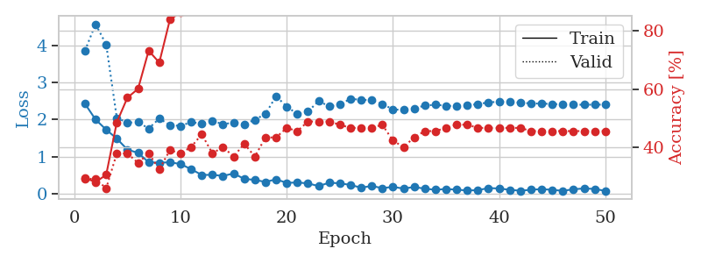
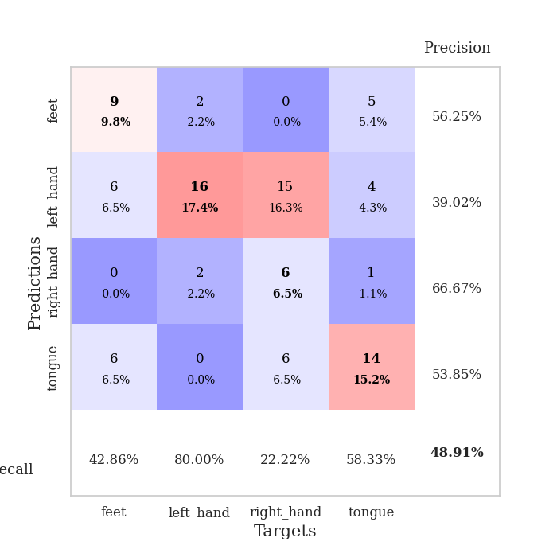
train_loss | valid_loss | train_accuracy | valid_accuracy | dur | train_misclass | valid_misclass
2.427003932 | 3.8570778681 | 0.29619565217 | 0.29347826087 | 0.036591291428 | 29.619565217 | 29.347826087
2.0000169754 | 4.5745618447 | 0.28260869565 | 0.29347826087 | 0.036084890366 | 28.260869565 | 29.347826087
1.726576376 | 4.0255868124 | 0.30706521739 | 0.26086956522 | 0.035626888275 | 30.706521739 | 26.086956522
1.4856405497 | 2.0436643207 | 0.48641304348 | 0.38043478261 | 0.036597251892 | 48.641304348 | 38.043478261
1.188036871 | 1.914720753 | 0.57065217391 | 0.38043478261 | 0.036215782166 | 57.065217391 | 38.043478261
1.1013589978 | 1.9309444117 | 0.60054347826 | 0.34782608696 | 0.03559923172 | 60.054347826 | 34.782608696
0.84591034651 | 1.7579953774 | 0.73097826087 | 0.38043478261 | 0.037567853928 | 73.097826087 | 38.043478261
0.83589223623 | 2.0261001483 | 0.6902173913 | 0.32608695652 | 0.035432815552 | 69.02173913 | 32.608695652
0.84625611305 | 1.8528370339 | 0.83695652174 | 0.39130434783 | 0.035399913788 | 83.695652174 | 39.130434783
0.80010035038 | 1.8259376858 | 0.86141304348 | 0.38043478261 | 0.035979986191 | 86.141304348 | 38.043478261
0.65990782976 | 1.9328779863 | 0.91032608696 | 0.40217391304 | 0.035564184189 | 91.032608696 | 40.217391304
0.50564091802 | 1.8840368312 | 0.91304347826 | 0.44565217391 | 0.035878181458 | 91.304347826 | 44.565217391
0.50722925067 | 1.9722673167 | 0.92663043478 | 0.38043478261 | 0.035981178284 | 92.663043478 | 38.043478261
0.47957292199 | 1.868067617 | 0.94293478261 | 0.40217391304 | 0.035543441772 | 94.293478261 | 40.217391304
0.54385821819 | 1.9242959541 | 0.95652173913 | 0.36956521739 | 0.035547733307 | 95.652173913 | 36.956521739
0.39977539182 | 1.874514756 | 0.97826086957 | 0.41304347826 | 0.035795927048 | 97.826086957 | 41.304347826
0.37139341533 | 1.9952034121 | 0.95652173913 | 0.36956521739 | 0.035738229752 | 95.652173913 | 36.956521739
0.31646998525 | 2.1518816533 | 0.97010869565 | 0.4347826087 | 0.035849571228 | 97.010869565 | 43.47826087
0.38757844567 | 2.6301602799 | 0.94565217391 | 0.4347826087 | 0.035641431808 | 94.565217391 | 43.47826087
0.29062966704 | 2.3490206366 | 0.95652173913 | 0.46739130435 | 0.035623788834 | 95.652173913 | 46.739130435
0.30262576342 | 2.1495966497 | 0.97282608696 | 0.45652173913 | 0.035591840744 | 97.282608696 | 45.652173913
0.27700841725 | 2.2116910582 | 0.99184782609 | 0.48913043478 | 0.03568816185 | 99.184782609 | 48.913043478
0.20503540933 | 2.5014288322 | 0.98913043478 | 0.48913043478 | 0.03576874733 | 98.913043478 | 48.913043478
0.29573366642 | 2.35417705 | 0.99184782609 | 0.48913043478 | 0.035698890686 | 99.184782609 | 48.913043478
0.27992601693 | 2.4084870919 | 0.99184782609 | 0.47826086957 | 0.035633563995 | 99.184782609 | 47.826086957
0.23562122583 | 2.5582707447 | 0.98913043478 | 0.46739130435 | 0.035692453384 | 98.913043478 | 46.739130435
0.16191432476 | 2.533665118 | 0.98913043478 | 0.46739130435 | 0.035796880722 | 98.913043478 | 46.739130435
0.20751666129 | 2.5182541453 | 0.99456521739 | 0.46739130435 | 0.035812139511 | 99.456521739 | 46.739130435
0.14962606356 | 2.4207204425 | 1 | 0.47826086957 | 0.035711050034 | 100 | 47.826086957
0.18281129152 | 2.274176836 | 0.9972826087 | 0.42391304348 | 0.035547971725 | 99.72826087 | 42.391304348
0.13784012496 | 2.2575873396 | 0.9972826087 | 0.40217391304 | 0.03658914566 | 99.72826087 | 40.217391304
0.17990719229 | 2.3024493611 | 0.9972826087 | 0.4347826087 | 0.035372972488 | 99.72826087 | 43.47826087
0.13456411064 | 2.3755398626 | 1 | 0.45652173913 | 0.035285234451 | 100 | 45.652173913
0.10499710664 | 2.3995367133 | 0.9972826087 | 0.45652173913 | 0.035390138626 | 99.72826087 | 45.652173913
0.12625512555 | 2.3728186773 | 1 | 0.46739130435 | 0.035405158997 | 100 | 46.739130435
0.10777641386 | 2.3613656396 | 1 | 0.47826086957 | 0.035440444946 | 100 | 47.826086957
0.085809320211 | 2.3877476091 | 1 | 0.47826086957 | 0.03514456749 | 100 | 47.826086957
0.094651734829 | 2.4142403084 | 1 | 0.46739130435 | 0.035385847092 | 100 | 46.739130435
0.15130804032 | 2.4640544083 | 1 | 0.46739130435 | 0.035320520401 | 100 | 46.739130435
0.13962139338 | 2.4795092707 | 1 | 0.46739130435 | 0.035486698151 | 100 | 46.739130435
0.10392931625 | 2.4715003138 | 1 | 0.46739130435 | 0.035454273224 | 100 | 46.739130435
0.079915551841 | 2.45606467 | 1 | 0.46739130435 | 0.035459756851 | 100 | 46.739130435
0.10429875106 | 2.4343141266 | 1 | 0.45652173913 | 0.035335063934 | 100 | 45.652173913
0.1237947315 | 2.4304654287 | 1 | 0.45652173913 | 0.035419940948 | 100 | 45.652173913
0.10238981247 | 2.4199676306 | 1 | 0.45652173913 | 0.035317897797 | 100 | 45.652173913
0.07749529928 | 2.4072079762 | 1 | 0.45652173913 | 0.035403013229 | 100 | 45.652173913
0.11747912467 | 2.400784534 | 1 | 0.45652173913 | 0.035462856293 | 100 | 45.652173913
0.14155647457 | 2.3997952316 | 1 | 0.45652173913 | 0.036346673965 | 100 | 45.652173913
0.12714876011 | 2.4012957138 | 1 | 0.45652173913 | 0.036073446274 | 100 | 45.652173913
0.074891838431 | 2.402747092 | 1 | 0.45652173913 | 0.03564620018 | 100 | 45.652173913

Best Val accuracy is 0.4891304347826087 and Best test accuracy is 0.45689655172413796

Sheet5
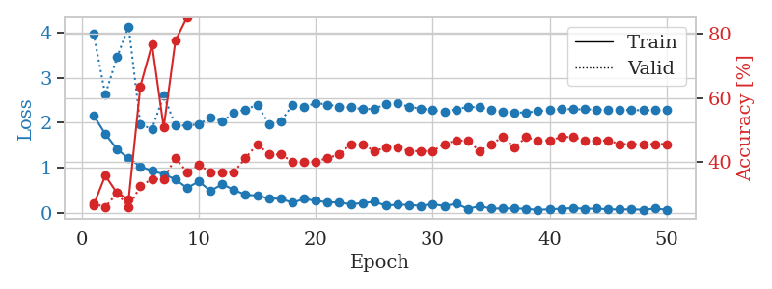
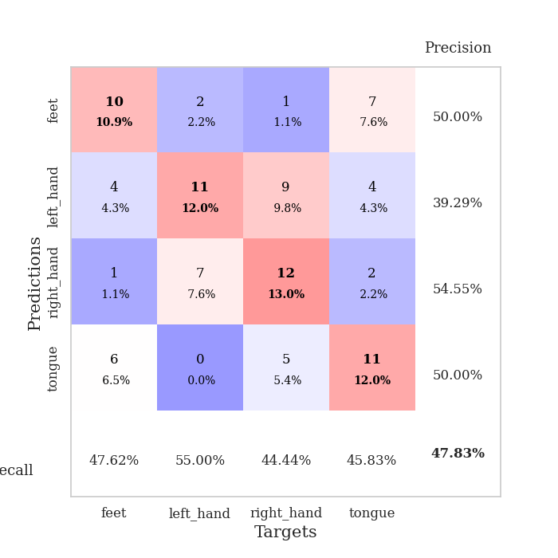
train_loss | valid_loss | train_accuracy | valid_accuracy | dur | train_misclass | valid_misclass
2.1617709637 | 3.980718509 | 0.26630434783 | 0.27173913043 | 0.037275791168 | 26.630434783 | 27.173913043
1.7459366798 | 2.6194540003 | 0.35869565217 | 0.26086956522 | 0.036399126053 | 35.869565217 | 26.086956522
1.4101374149 | 3.4518033214 | 0.30434782609 | 0.30434782609 | 0.035667181015 | 30.434782609 | 30.434782609
1.2015044451 | 4.1365579729 | 0.28532608696 | 0.26086956522 | 0.03590798378 | 28.532608696 | 26.086956522
1.0281136036 | 1.9542726641 | 0.63586956522 | 0.32608695652 | 0.035788536072 | 63.586956522 | 32.608695652
0.92291271687 | 1.8611418786 | 0.76630434783 | 0.34782608696 | 0.036136627197 | 76.630434783 | 34.782608696
0.85327517986 | 2.5976823724 | 0.50815217391 | 0.34782608696 | 0.036130428314 | 50.815217391 | 34.782608696
0.73673554659 | 1.9412924414 | 0.77717391304 | 0.41304347826 | 0.036082029343 | 77.717391304 | 41.304347826
0.54521238804 | 1.9321781034 | 0.85054347826 | 0.36956521739 | 0.036218166351 | 85.054347826 | 36.956521739
0.6922098577 | 1.9658374475 | 0.86413043478 | 0.39130434783 | 0.036126852036 | 86.413043478 | 39.130434783
0.48162254095 | 2.1048188728 | 0.89945652174 | 0.36956521739 | 0.035846948624 | 89.945652174 | 36.956521739
0.63207428455 | 2.027431996 | 0.9375 | 0.36956521739 | 0.035967350006 | 93.75 | 36.956521739
0.50149259567 | 2.2132697935 | 0.92663043478 | 0.36956521739 | 0.035824775696 | 92.663043478 | 36.956521739
0.39523544908 | 2.292369573 | 0.95923913043 | 0.41304347826 | 0.035962820053 | 95.923913043 | 41.304347826
0.37664928436 | 2.3926179202 | 0.94565217391 | 0.45652173913 | 0.035915136337 | 94.565217391 | 45.652173913
0.30976647139 | 1.9699064545 | 0.97282608696 | 0.42391304348 | 0.036274194717 | 97.282608696 | 42.391304348
0.30690876245 | 2.0267253855 | 0.97010869565 | 0.42391304348 | 0.035906553268 | 97.010869565 | 42.391304348
0.21610031128 | 2.3916066833 | 0.96739130435 | 0.40217391304 | 0.03595495224 | 96.739130435 | 40.217391304
0.30265962481 | 2.3439636438 | 0.9972826087 | 0.40217391304 | 0.03590798378 | 99.72826087 | 40.217391304
0.26121308506 | 2.4332688373 | 0.98913043478 | 0.40217391304 | 0.03590798378 | 98.913043478 | 40.217391304
0.2288285166 | 2.4009311407 | 0.9972826087 | 0.41304347826 | 0.035979509354 | 99.72826087 | 41.304347826
0.22400534153 | 2.3567829028 | 0.9972826087 | 0.42391304348 | 0.035917520523 | 99.72826087 | 42.391304348
0.18383669555 | 2.3394952339 | 1 | 0.45652173913 | 0.036008834839 | 100 | 45.652173913
0.21168733537 | 2.2983778767 | 0.9972826087 | 0.45652173913 | 0.03626871109 | 99.72826087 | 45.652173913
0.23874346018 | 2.306173024 | 0.99456521739 | 0.4347826087 | 0.035282611847 | 99.456521739 | 43.47826087
0.15590451658 | 2.4137006221 | 1 | 0.44565217391 | 0.036091327667 | 100 | 44.565217391
0.17525880039 | 2.4284379482 | 1 | 0.44565217391 | 0.036053657532 | 100 | 44.565217391
0.17043109536 | 2.3458954459 | 1 | 0.4347826087 | 0.035758972168 | 100 | 43.47826087
0.14830209464 | 2.3124457857 | 1 | 0.4347826087 | 0.035274744034 | 100 | 43.47826087
0.18976547569 | 2.2777354821 | 1 | 0.4347826087 | 0.035391569138 | 100 | 43.47826087
0.14385145605 | 2.2485084326 | 1 | 0.45652173913 | 0.035616397858 | 100 | 45.652173913
0.19746263921 | 2.2930595046 | 1 | 0.46739130435 | 0.034732341766 | 100 | 46.739130435
0.084475028515 | 2.3493696814 | 1 | 0.46739130435 | 0.038018465042 | 100 | 46.739130435
0.14012104422 | 2.3378534628 | 1 | 0.4347826087 | 0.034647941589 | 100 | 43.47826087
0.091428373754 | 2.2915657707 | 1 | 0.45652173913 | 0.034764051437 | 100 | 45.652173913
0.088758799434 | 2.2325914632 | 1 | 0.47826086957 | 0.034939289093 | 100 | 47.826086957
0.093729603291 | 2.2219890615 | 1 | 0.44565217391 | 0.035372972488 | 100 | 44.565217391
0.080827128887 | 2.2231369122 | 1 | 0.47826086957 | 0.034769535065 | 100 | 47.826086957
0.060609385371 | 2.2531382416 | 1 | 0.46739130435 | 0.034784555435 | 100 | 46.739130435
0.07290995568 | 2.2801711352 | 1 | 0.46739130435 | 0.035098791122 | 100 | 46.739130435
0.085632083565 | 2.3023560254 | 1 | 0.47826086957 | 0.036069393158 | 100 | 47.826086957
0.099826651067 | 2.2959242489 | 1 | 0.47826086957 | 0.036028862 | 100 | 47.826086957
0.084085695446 | 2.2949201128 | 1 | 0.46739130435 | 0.036560058594 | 100 | 46.739130435
0.087591297925 | 2.2901918992 | 1 | 0.46739130435 | 0.034867525101 | 100 | 46.739130435
0.073323141783 | 2.2836470293 | 1 | 0.46739130435 | 0.035018205643 | 100 | 46.739130435
0.068122874945 | 2.2806169572 | 1 | 0.45652173913 | 0.036050081253 | 100 | 45.652173913
0.07199983485 | 2.2763480933 | 1 | 0.45652173913 | 0.035956859589 | 100 | 45.652173913
0.063907152414 | 2.2751696835 | 1 | 0.45652173913 | 0.035929679871 | 100 | 45.652173913
0.087806712836 | 2.2732146201 | 1 | 0.45652173913 | 0.035863876343 | 100 | 45.652173913
0.063006047159 | 2.27330949 | 1 | 0.45652173913 | 0.035977363586 | 100 | 45.652173913

Best Val accuracy is 0.4782608695652174 and Best test accuracy is 0.43103448275862066

Sheet6
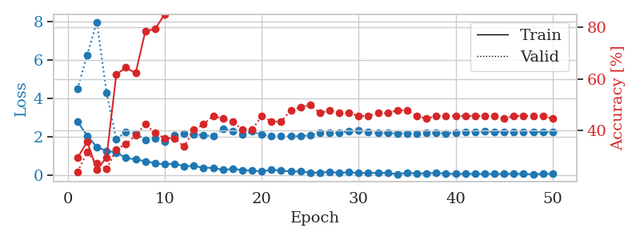
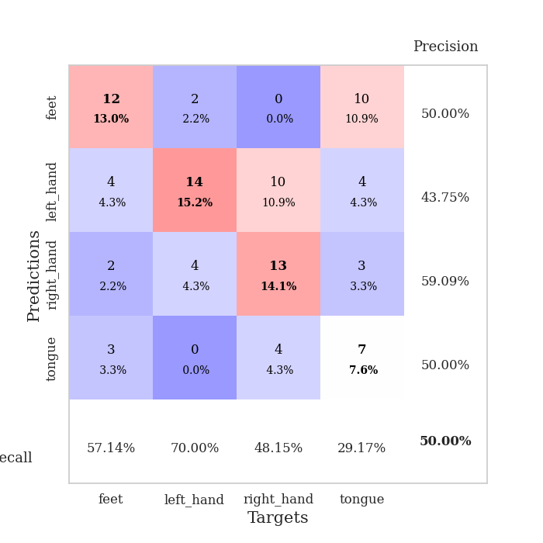
train_loss | valid_loss | train_accuracy | valid_accuracy | dur | train_misclass | valid_misclass
2.8106686115 | 4.4928755138 | 0.29347826087 | 0.23913043478 | 0.036193609238 | 29.347826087 | 23.913043478
2.0671418905 | 6.2809058272 | 0.35597826087 | 0.3152173913 | 0.037679672241 | 35.597826087 | 31.52173913
1.4665226221 | 7.9987951362 | 0.2472826087 | 0.27173913043 | 0.035892486572 | 24.72826087 | 27.173913043
1.2745854616 | 4.3144262355 | 0.29619565217 | 0.25 | 0.036286830902 | 29.619565217 | 25
1.1879348993 | 1.8781171882 | 0.61684782609 | 0.32608695652 | 0.036245107651 | 61.684782609 | 32.608695652
0.90318602324 | 2.2729728015 | 0.64402173913 | 0.34782608696 | 0.03653049469 | 64.402173913 | 34.782608696
0.83294986486 | 2.1799269137 | 0.6222826087 | 0.38043478261 | 0.036353826523 | 62.22826087 | 38.043478261
0.73536651134 | 1.8492758481 | 0.78532608696 | 0.42391304348 | 0.03648352623 | 78.532608696 | 42.391304348
0.63231493235 | 1.9113564388 | 0.79347826087 | 0.39130434783 | 0.036735057831 | 79.347826087 | 39.130434783
0.57172095776 | 1.7730952242 | 0.85054347826 | 0.36956521739 | 0.036238908768 | 85.054347826 | 36.956521739
0.60374546647 | 2.0884833958 | 0.89402173913 | 0.36956521739 | 0.036169290543 | 89.402173913 | 36.956521739
0.47669870257 | 2.1691262618 | 0.86684782609 | 0.33695652174 | 0.036426305771 | 86.684782609 | 33.695652174
0.48906261921 | 2.144111851 | 0.88586956522 | 0.40217391304 | 0.036249399185 | 88.586956522 | 40.217391304
0.3901691258 | 2.0982020731 | 0.97282608696 | 0.42391304348 | 0.036177158356 | 97.282608696 | 42.391304348
0.39784480929 | 2.0357115372 | 0.97826086957 | 0.45652173913 | 0.036300897598 | 97.826086957 | 45.652173913
0.27839494944 | 2.4273968054 | 0.92663043478 | 0.44565217391 | 0.036261081696 | 92.663043478 | 44.565217391
0.33588420451 | 2.3136158197 | 0.97826086957 | 0.4347826087 | 0.036234378815 | 97.826086957 | 43.47826087
0.27488831133 | 2.1438073179 | 0.98369565217 | 0.40217391304 | 0.03623175621 | 98.369565217 | 40.217391304
0.2400375694 | 2.2892706394 | 0.98369565217 | 0.40217391304 | 0.035979747772 | 98.369565217 | 40.217391304
0.21269679666 | 2.1136201465 | 0.97826086957 | 0.45652173913 | 0.036323547363 | 97.826086957 | 45.652173913
0.28212034404 | 2.0648102138 | 0.98913043478 | 0.4347826087 | 0.037748575211 | 98.913043478 | 43.47826087
0.2529763788 | 2.0455871561 | 0.9972826087 | 0.4347826087 | 0.036241531372 | 99.72826087 | 43.47826087
0.19412346184 | 2.03209565 | 0.98913043478 | 0.47826086957 | 0.036039352417 | 98.913043478 | 47.826086957
0.20545912087 | 2.0485921735 | 1 | 0.48913043478 | 0.035939455032 | 100 | 48.913043478
0.13426947296 | 2.10250076 | 0.9972826087 | 0.5 | 0.037730932236 | 99.72826087 | 50
0.1420627594 | 2.2071643394 | 1 | 0.46739130435 | 0.036437273026 | 100 | 46.739130435
0.18102828562 | 2.2203879356 | 1 | 0.47826086957 | 0.036231279373 | 100 | 47.826086957
0.1230798617 | 2.2064336383 | 0.9972826087 | 0.46739130435 | 0.036322116852 | 99.72826087 | 46.739130435
0.15543898642 | 2.3075163261 | 0.9972826087 | 0.46739130435 | 0.03631734848 | 99.72826087 | 46.739130435
0.12168103978 | 2.3265877496 | 0.99456521739 | 0.45652173913 | 0.036286115646 | 99.456521739 | 45.652173913
0.11227415055 | 2.2582250574 | 0.9972826087 | 0.45652173913 | 0.036387443542 | 99.72826087 | 45.652173913
0.13381186128 | 2.2118363484 | 1 | 0.46739130435 | 0.036246538162 | 100 | 46.739130435
0.11923608482 | 2.1996179975 | 1 | 0.46739130435 | 0.036288261414 | 100 | 46.739130435
0.065000800043 | 2.1902585548 | 1 | 0.47826086957 | 0.036368370056 | 100 | 47.826086957
0.13364759982 | 2.1771985448 | 1 | 0.47826086957 | 0.036190986633 | 100 | 47.826086957
0.093558824062 | 2.1936552421 | 1 | 0.45652173913 | 0.03569316864 | 100 | 45.652173913
0.10481476635 | 2.2209811003 | 1 | 0.44565217391 | 0.035776853561 | 100 | 44.565217391
0.122907269 | 2.1987603125 | 1 | 0.45652173913 | 0.036109685898 | 100 | 45.652173913
0.09036886692 | 2.1964563494 | 1 | 0.45652173913 | 0.036118507385 | 100 | 45.652173913
0.069113757461 | 2.217312253 | 1 | 0.45652173913 | 0.036370515823 | 100 | 45.652173913
0.082955992222 | 2.2470134341 | 1 | 0.45652173913 | 0.036757707596 | 100 | 45.652173913
0.071550697833 | 2.2650936686 | 1 | 0.45652173913 | 0.036619663239 | 100 | 45.652173913
0.075294894725 | 2.2835373567 | 1 | 0.45652173913 | 0.036326169968 | 100 | 45.652173913
0.071449205279 | 2.2772590699 | 1 | 0.45652173913 | 0.036447525024 | 100 | 45.652173913
0.076157236099 | 2.2741944686 | 1 | 0.44565217391 | 0.036314487457 | 100 | 44.565217391
0.080006954074 | 2.266217325 | 1 | 0.45652173913 | 0.036509275436 | 100 | 45.652173913
0.070335760713 | 2.2614528615 | 1 | 0.45652173913 | 0.036317586899 | 100 | 45.652173913
0.057917635143 | 2.2614163212 | 1 | 0.45652173913 | 0.036415815353 | 100 | 45.652173913
0.07546851337 | 2.2598186161 | 1 | 0.45652173913 | 0.036372661591 | 100 | 45.652173913
0.08625446111 | 2.2564646679 | 1 | 0.44565217391 | 0.038125991821 | 100 | 44.565217391

Best Val accuracy is 0.5 and Best test accuracy is 0.39655172413793105

Sheet7
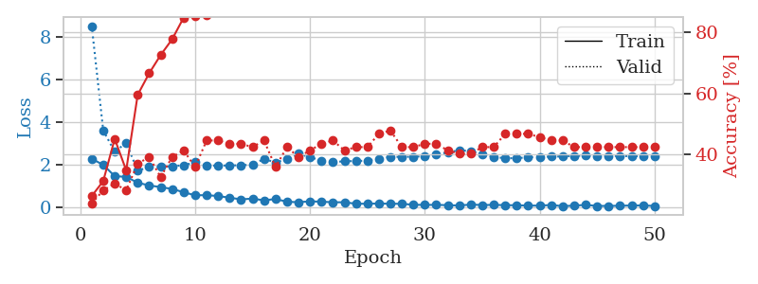
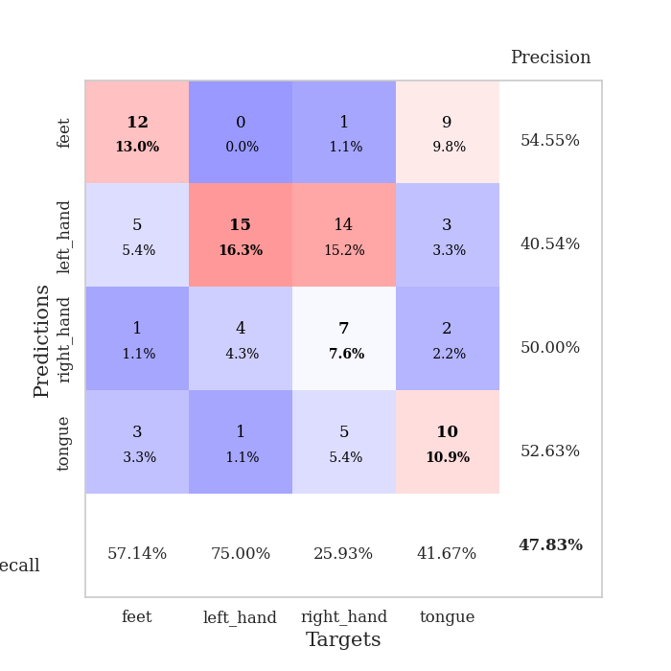
train_loss | valid_loss | train_accuracy | valid_accuracy | dur | train_misclass | valid_misclass
2.2796231508 | 8.4981805553 | 0.26358695652 | 0.23913043478 | 0.038711309433 | 26.358695652 | 23.913043478
1.9935034752 | 3.6060872078 | 0.3125 | 0.28260869565 | 0.036403894424 | 31.25 | 28.260869565
1.4657517195 | 2.6091018034 | 0.45108695652 | 0.30434782609 | 0.036202669144 | 45.108695652 | 30.434782609
1.4313614607 | 3.0246624636 | 0.34782608696 | 0.28260869565 | 0.036210536957 | 34.782608696 | 28.260869565
1.1588819385 | 1.7187198452 | 0.59510869565 | 0.36956521739 | 0.036031007767 | 59.510869565 | 36.956521739
1.0292433023 | 1.8948032027 | 0.66576086957 | 0.39130434783 | 0.036204814911 | 66.576086957 | 39.130434783
0.95206660032 | 1.8904764756 | 0.72554347826 | 0.32608695652 | 0.036266803741 | 72.554347826 | 32.608695652
0.86547760963 | 1.933074381 | 0.77717391304 | 0.39130434783 | 0.035404920578 | 77.717391304 | 39.130434783
0.71214444637 | 1.9753212929 | 0.84782608696 | 0.41304347826 | 0.03709435463 | 84.782608696 | 41.304347826
0.56845093369 | 2.1169150809 | 0.85326086957 | 0.35869565217 | 0.035476207733 | 85.326086957 | 35.869565217
0.57517489195 | 1.9645028218 | 0.85597826087 | 0.44565217391 | 0.034196615219 | 85.597826087 | 44.565217391
0.53222755194 | 1.9554088634 | 0.91304347826 | 0.44565217391 | 0.035321712494 | 91.304347826 | 44.565217391
0.45710773468 | 1.9674047594 | 0.95380434783 | 0.4347826087 | 0.035844802856 | 95.380434783 | 43.47826087
0.37666255236 | 1.9750282661 | 0.9375 | 0.4347826087 | 0.036137580872 | 93.75 | 43.47826087
0.41446424723 | 2.00686093 | 0.96739130435 | 0.42391304348 | 0.035705089569 | 96.739130435 | 42.391304348
0.33038207889 | 2.2740699001 | 0.95380434783 | 0.44565217391 | 0.035736083984 | 95.380434783 | 44.565217391
0.39531922936 | 2.1031211044 | 0.99456521739 | 0.35869565217 | 0.035860300064 | 99.456521739 | 35.869565217
0.26512781382 | 2.2627486146 | 0.98641304348 | 0.42391304348 | 0.035734891891 | 98.641304348 | 42.391304348
0.24412458837 | 2.5116740413 | 0.9375 | 0.39130434783 | 0.036964416504 | 93.75 | 39.130434783
0.28491472602 | 2.3532374631 | 0.97282608696 | 0.41304347826 | 0.034286022186 | 97.282608696 | 41.304347826
0.26849031746 | 2.1967188068 | 0.97826086957 | 0.4347826087 | 0.035931587219 | 97.826086957 | 43.47826087
0.24208751023 | 2.1182002918 | 0.99184782609 | 0.44565217391 | 0.035781145096 | 99.184782609 | 44.565217391
0.24161510468 | 2.1652791189 | 0.9972826087 | 0.41304347826 | 0.035523176193 | 99.72826087 | 41.304347826
0.17329092026 | 2.1712004827 | 1 | 0.42391304348 | 0.036061525345 | 100 | 42.391304348
0.1713461265 | 2.1947551603 | 1 | 0.42391304348 | 0.036216974258 | 100 | 42.391304348
0.18297160864 | 2.2825959765 | 1 | 0.46739130435 | 0.035902500153 | 100 | 46.739130435
0.17153463215 | 2.3664027193 | 0.9972826087 | 0.47826086957 | 0.036348104477 | 99.72826087 | 47.826086957
0.17068846822 | 2.3715942943 | 1 | 0.42391304348 | 0.036440610886 | 100 | 42.391304348
0.12360065281 | 2.37623959 | 1 | 0.42391304348 | 0.035959720612 | 100 | 42.391304348
0.11840255857 | 2.3968717223 | 1 | 0.4347826087 | 0.036085605621 | 100 | 43.47826087
0.11944801509 | 2.4673176952 | 1 | 0.4347826087 | 0.036176204681 | 100 | 43.47826087
0.10623702258 | 2.5788544572 | 1 | 0.41304347826 | 0.036007404327 | 100 | 41.304347826
0.088933072984 | 2.6800546646 | 1 | 0.40217391304 | 0.03640294075 | 100 | 40.217391304
0.13441782594 | 2.6366027956 | 1 | 0.40217391304 | 0.036411523819 | 100 | 40.217391304
0.1113841638 | 2.4871588997 | 1 | 0.42391304348 | 0.035887956619 | 100 | 42.391304348
0.1184385553 | 2.3726531215 | 1 | 0.42391304348 | 0.036211013794 | 100 | 42.391304348
0.10769189671 | 2.3008635044 | 1 | 0.46739130435 | 0.036505460739 | 100 | 46.739130435
0.099206764996 | 2.3127027491 | 1 | 0.46739130435 | 0.036540031433 | 100 | 46.739130435
0.086716663837 | 2.3425156966 | 1 | 0.46739130435 | 0.035193443298 | 100 | 46.739130435
0.084011562914 | 2.3709029115 | 1 | 0.45652173913 | 0.035970449448 | 100 | 45.652173913
0.11317121834 | 2.3776962446 | 1 | 0.44565217391 | 0.036212444305 | 100 | 44.565217391
0.060508722812 | 2.3909085834 | 1 | 0.44565217391 | 0.035348176956 | 100 | 44.565217391
0.08394170478 | 2.4144947218 | 1 | 0.42391304348 | 0.034567832947 | 100 | 42.391304348
0.11902668029 | 2.4238419429 | 1 | 0.42391304348 | 0.036068916321 | 100 | 42.391304348
0.069622136652 | 2.4202263563 | 1 | 0.42391304348 | 0.035711765289 | 100 | 42.391304348
0.070347385481 | 2.4159225588 | 1 | 0.42391304348 | 0.035841703415 | 100 | 42.391304348
0.078927339613 | 2.4085377092 | 1 | 0.42391304348 | 0.03560090065 | 100 | 42.391304348
0.089220575243 | 2.4036661853 | 1 | 0.42391304348 | 0.035333156586 | 100 | 42.391304348
0.091992225125 | 2.4006945361 | 1 | 0.42391304348 | 0.035593748093 | 100 | 42.391304348
0.069557326287 | 2.3961623337 | 1 | 0.42391304348 | 0.035828351974 | 100 | 42.391304348

Best Val accuracy is 0.4782608695652174 and Best test accuracy is 0.41379310344827586

Sheet8
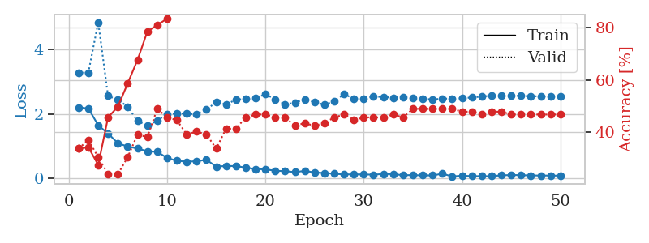
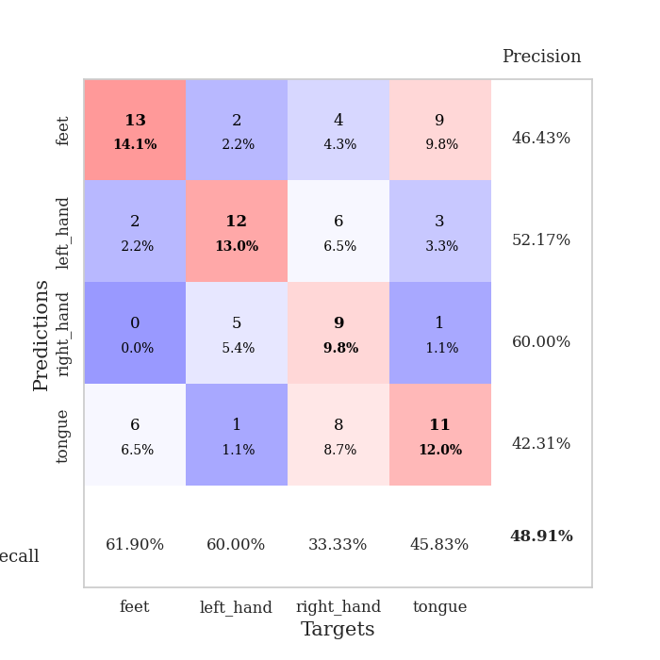
train_loss | valid_loss | train_accuracy | valid_accuracy | dur | train_misclass | valid_misclass
2.2040472507 | 3.2812744949 | 0.33695652174 | 0.33695652174 | 0.037965774536 | 33.695652174 | 33.695652174
2.169717741 | 3.2816354814 | 0.34239130435 | 0.36956521739 | 0.036954164505 | 34.239130435 | 36.956521739
1.652314496 | 4.8401134532 | 0.27445652174 | 0.30434782609 | 0.035922288895 | 27.445652174 | 30.434782609
1.39515872 | 2.558694259 | 0.45652173913 | 0.23913043478 | 0.035851955414 | 45.652173913 | 23.913043478
1.0955117941 | 2.4379317035 | 0.4972826087 | 0.23913043478 | 0.034903287888 | 49.72826087 | 23.913043478
0.98944218159 | 2.2232909514 | 0.58695652174 | 0.30434782609 | 0.03514289856 | 58.695652174 | 30.434782609
0.93203606606 | 1.7830978114 | 0.67663043478 | 0.39130434783 | 0.034888267517 | 67.663043478 | 39.130434783
0.84524562359 | 1.6357935304 | 0.78532608696 | 0.38043478261 | 0.036006212234 | 78.532608696 | 38.043478261
0.83081411123 | 1.7967342086 | 0.8097826087 | 0.48913043478 | 0.038083076477 | 80.97826087 | 48.913043478
0.63834223747 | 1.9944642316 | 0.83423913043 | 0.45652173913 | 0.035711288452 | 83.423913043 | 45.652173913
0.55105162859 | 2.0172830768 | 0.89402173913 | 0.44565217391 | 0.036087274551 | 89.402173913 | 44.565217391
0.52025083899 | 2.0090201108 | 0.9347826087 | 0.39130434783 | 0.035335063934 | 93.47826087 | 39.130434783
0.53692657948 | 1.9884635262 | 0.92934782609 | 0.40217391304 | 0.03441119194 | 92.934782609 | 40.217391304
0.58053860068 | 2.1346867914 | 0.92934782609 | 0.39130434783 | 0.035730361938 | 92.934782609 | 39.130434783
0.37179870605 | 2.3665741319 | 0.89402173913 | 0.33695652174 | 0.034551858902 | 89.402173913 | 33.695652174
0.38983791471 | 2.295433117 | 0.96739130435 | 0.41304347826 | 0.03574681282 | 96.739130435 | 41.304347826
0.38697138429 | 2.4415745735 | 0.97554347826 | 0.41304347826 | 0.034758806229 | 97.554347826 | 41.304347826
0.33891735077 | 2.46715612 | 0.94836956522 | 0.45652173913 | 0.034564495087 | 94.836956522 | 45.652173913
0.2943516314 | 2.4834302612 | 0.97826086957 | 0.46739130435 | 0.035103321075 | 97.826086957 | 46.739130435
0.28535046279 | 2.6126551317 | 0.97554347826 | 0.46739130435 | 0.034533977509 | 97.554347826 | 46.739130435
0.24221724272 | 2.4548408778 | 0.9972826087 | 0.45652173913 | 0.034970998764 | 99.72826087 | 45.652173913
0.22963502407 | 2.2941216386 | 0.99184782609 | 0.45652173913 | 0.034977674484 | 99.184782609 | 45.652173913
0.20061456561 | 2.3468386712 | 0.99184782609 | 0.42391304348 | 0.035564661026 | 99.184782609 | 42.391304348
0.23761552572 | 2.4558871518 | 0.99184782609 | 0.4347826087 | 0.037638664246 | 99.184782609 | 43.47826087
0.19106059968 | 2.3634335891 | 1 | 0.42391304348 | 0.035414934158 | 100 | 42.391304348
0.17152297944 | 2.2858621141 | 1 | 0.4347826087 | 0.035747051239 | 100 | 43.47826087
0.14823359251 | 2.3950447518 | 0.9972826087 | 0.45652173913 | 0.03559589386 | 99.72826087 | 45.652173913
0.12882103026 | 2.609029604 | 1 | 0.46739130435 | 0.036602020264 | 100 | 46.739130435
0.12850762159 | 2.4799612294 | 1 | 0.44565217391 | 0.036765098572 | 100 | 44.565217391
0.1278434664 | 2.4696953919 | 1 | 0.45652173913 | 0.036195278168 | 100 | 45.652173913
0.12026094645 | 2.5391934644 | 1 | 0.45652173913 | 0.035889387131 | 100 | 45.652173913
0.14309117943 | 2.5241627279 | 1 | 0.45652173913 | 0.034176588058 | 100 | 45.652173913
0.13706958741 | 2.5060919264 | 1 | 0.46739130435 | 0.034955501556 | 100 | 46.739130435
0.10469973087 | 2.5162809932 | 1 | 0.45652173913 | 0.035991430283 | 100 | 45.652173913
0.10746580735 | 2.4832065935 | 1 | 0.48913043478 | 0.035860061646 | 100 | 48.913043478
0.097985889018 | 2.4718077597 | 1 | 0.48913043478 | 0.035826444626 | 100 | 48.913043478
0.098907511681 | 2.4503685702 | 1 | 0.48913043478 | 0.035844087601 | 100 | 48.913043478
0.14817039818 | 2.4754722326 | 1 | 0.48913043478 | 0.035797595978 | 100 | 48.913043478
0.066801464558 | 2.4753932227 | 1 | 0.48913043478 | 0.035076141357 | 100 | 48.913043478
0.088132300973 | 2.4886818658 | 1 | 0.47826086957 | 0.035863876343 | 100 | 47.826086957
0.075338587165 | 2.5076456588 | 1 | 0.47826086957 | 0.035883903503 | 100 | 47.826086957
0.073695550114 | 2.5393645867 | 1 | 0.46739130435 | 0.035868167877 | 100 | 46.739130435
0.073389927298 | 2.5677495003 | 1 | 0.47826086957 | 0.035554170609 | 100 | 47.826086957
0.099717556685 | 2.571916404 | 1 | 0.47826086957 | 0.035527467728 | 100 | 47.826086957
0.1091182366 | 2.5713699175 | 1 | 0.46739130435 | 0.035817623138 | 100 | 46.739130435
0.1062151432 | 2.5577227551 | 1 | 0.46739130435 | 0.035107851028 | 100 | 46.739130435
0.094592013955 | 2.5496774445 | 1 | 0.46739130435 | 0.03585767746 | 100 | 46.739130435
0.094149085879 | 2.5464705073 | 1 | 0.46739130435 | 0.035937786102 | 100 | 46.739130435
0.092541503161 | 2.546063475 | 1 | 0.46739130435 | 0.035880804062 | 100 | 46.739130435
0.089129695296 | 2.544928105 | 1 | 0.46739130435 | 0.034947156906 | 100 | 46.739130435

Best Val accuracy is 0.4891304347826087 and Best test accuracy is 0.39655172413793105

Sheet9
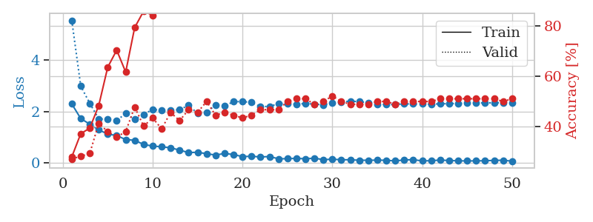
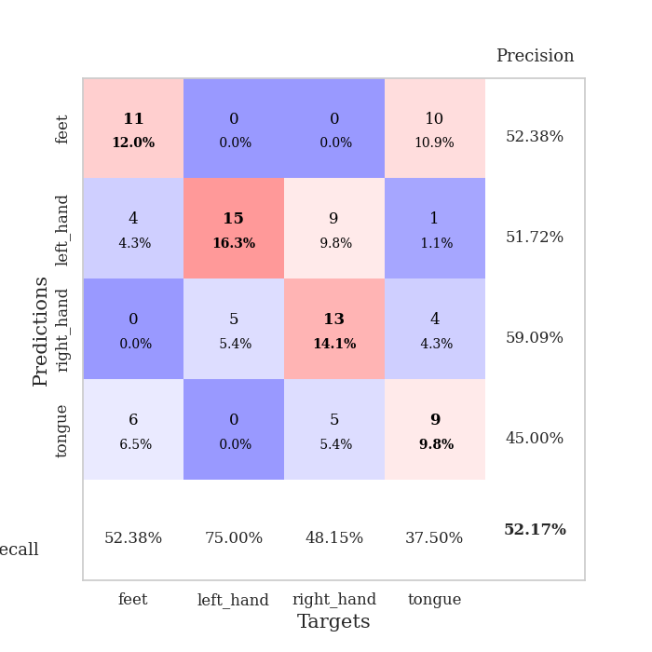
train_loss | valid_loss | train_accuracy | valid_accuracy | dur | train_misclass | valid_misclass
2.2939450741 | 5.5538935661 | 0.27989130435 | 0.27173913043 | 0.036363601685 | 27.989130435 | 27.173913043
1.7213778257 | 2.9871515917 | 0.3722826087 | 0.28260869565 | 0.036964178085 | 37.22826087 | 28.260869565
1.5030919313 | 2.3190693959 | 0.39402173913 | 0.29347826087 | 0.034017562866 | 39.402173913 | 29.347826087
1.2804945469 | 1.7116839316 | 0.48369565217 | 0.41304347826 | 0.034110546112 | 48.369565217 | 41.304347826
1.1175759435 | 1.6961634729 | 0.63586956522 | 0.38043478261 | 0.033820390701 | 63.586956522 | 38.043478261
1.0579292655 | 1.6434220957 | 0.70380434783 | 0.35869565217 | 0.033792972565 | 70.380434783 | 35.869565217
0.90305076838 | 1.9212010114 | 0.61684782609 | 0.38043478261 | 0.034094810486 | 61.684782609 | 38.043478261
0.87324354649 | 1.6843505839 | 0.79347826087 | 0.47826086957 | 0.034635543823 | 79.347826087 | 47.826086957
0.70950362682 | 1.8802251608 | 0.85869565217 | 0.40217391304 | 0.035085916519 | 85.869565217 | 40.217391304
0.64903557301 | 2.0792343927 | 0.84239130435 | 0.4347826087 | 0.034098386765 | 84.239130435 | 43.47826087
0.61912995577 | 2.0405849478 | 0.86956521739 | 0.39130434783 | 0.034075737 | 86.956521739 | 39.130434783
0.58151691556 | 2.0585271379 | 0.91032608696 | 0.45652173913 | 0.034452915192 | 91.032608696 | 45.652173913
0.48892425299 | 2.0611518984 | 0.94565217391 | 0.42391304348 | 0.034070253372 | 94.565217391 | 42.391304348
0.39446956515 | 2.2432878017 | 0.95108695652 | 0.46739130435 | 0.035274028778 | 95.108695652 | 46.739130435
0.40551179051 | 1.91919078 | 0.94565217391 | 0.45652173913 | 0.034327030182 | 94.565217391 | 45.652173913
0.35020331144 | 1.9628897232 | 0.95923913043 | 0.5 | 0.034051418304 | 95.923913043 | 50
0.29771409631 | 2.2528775049 | 0.95652173913 | 0.44565217391 | 0.03448843956 | 95.652173913 | 44.565217391
0.35872161388 | 2.2142107798 | 0.97554347826 | 0.45652173913 | 0.036228179932 | 97.554347826 | 45.652173913
0.31812838316 | 2.3776204482 | 0.98641304348 | 0.44565217391 | 0.033919095993 | 98.641304348 | 44.565217391
0.23604591787 | 2.3855864276 | 0.98641304348 | 0.4347826087 | 0.033903121948 | 98.641304348 | 43.47826087
0.25034710765 | 2.3504262385 | 0.99184782609 | 0.44565217391 | 0.033888339996 | 99.184782609 | 44.565217391
0.22288191617 | 2.1860943048 | 0.99456521739 | 0.46739130435 | 0.034012794495 | 99.456521739 | 46.739130435
0.23957704306 | 2.1974035139 | 1 | 0.46739130435 | 0.034230709076 | 100 | 46.739130435
0.15294068307 | 2.2968018262 | 0.9972826087 | 0.46739130435 | 0.034233570099 | 99.72826087 | 46.739130435
0.15384680927 | 2.3066247028 | 1 | 0.5 | 0.034304380417 | 100 | 50
0.16955507398 | 2.2808840689 | 1 | 0.51086956522 | 0.03413939476 | 100 | 51.086956522
0.15149257779 | 2.309153194 | 1 | 0.51086956522 | 0.034464836121 | 100 | 51.086956522
0.17473752201 | 2.2862371465 | 1 | 0.48913043478 | 0.03422999382 | 100 | 48.913043478
0.11991416067 | 2.2614972384 | 1 | 0.5 | 0.03423333168 | 100 | 50
0.13348220885 | 2.3336127945 | 1 | 0.52173913043 | 0.03412771225 | 100 | 52.173913043
0.1152395919 | 2.3680370787 | 1 | 0.5 | 0.034485578537 | 100 | 50
0.11248293817 | 2.4007713173 | 1 | 0.48913043478 | 0.034168243408 | 100 | 48.913043478
0.094861288369 | 2.3839547634 | 1 | 0.48913043478 | 0.034299850464 | 100 | 48.913043478
0.094195310026 | 2.3382619775 | 1 | 0.48913043478 | 0.036275863647 | 100 | 48.913043478
0.098053450882 | 2.2901235145 | 1 | 0.5 | 0.033952474594 | 100 | 50
0.094094192982 | 2.2671039104 | 0.9972826087 | 0.5 | 0.033952474594 | 99.72826087 | 50
0.067676723003 | 2.2686617374 | 1 | 0.48913043478 | 0.033868074417 | 100 | 48.913043478
0.10712583214 | 2.2946969115 | 1 | 0.5 | 0.033822536469 | 100 | 50
0.1176149793 | 2.2920597014 | 1 | 0.5 | 0.036424160004 | 100 | 50
0.068249573559 | 2.2908154882 | 1 | 0.5 | 0.033900022507 | 100 | 50
0.077642445266 | 2.2848886407 | 1 | 0.5 | 0.033947944641 | 100 | 50
0.10083958209 | 2.2954913222 | 1 | 0.51086956522 | 0.033966302872 | 100 | 51.086956522
0.084412173927 | 2.3047376405 | 1 | 0.51086956522 | 0.03391623497 | 100 | 51.086956522
0.072428677976 | 2.3128110533 | 1 | 0.51086956522 | 0.034082889557 | 100 | 51.086956522
0.067538332939 | 2.3239001399 | 1 | 0.51086956522 | 0.034141302109 | 100 | 51.086956522
0.070345843583 | 2.3294809487 | 1 | 0.51086956522 | 0.034444093704 | 100 | 51.086956522
0.07486153841 | 2.3329096773 | 1 | 0.51086956522 | 0.03419470787 | 100 | 51.086956522
0.089557179064 | 2.335796916 | 1 | 0.51086956522 | 0.034472465515 | 100 | 51.086956522
0.093842245638 | 2.3388639844 | 1 | 0.5 | 0.034081220627 | 100 | 50
0.059933796525 | 2.3372824088 | 1 | 0.51086956522 | 0.034252166748 | 100 | 51.086956522

Best Val accuracy is 0.5217391304347826 and Best test accuracy is 0.4827586206896552

Sheet10
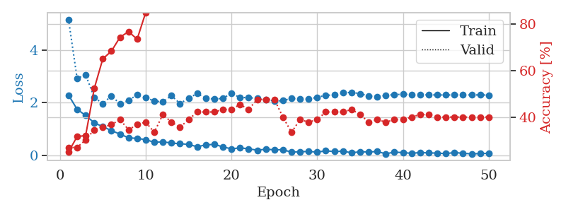
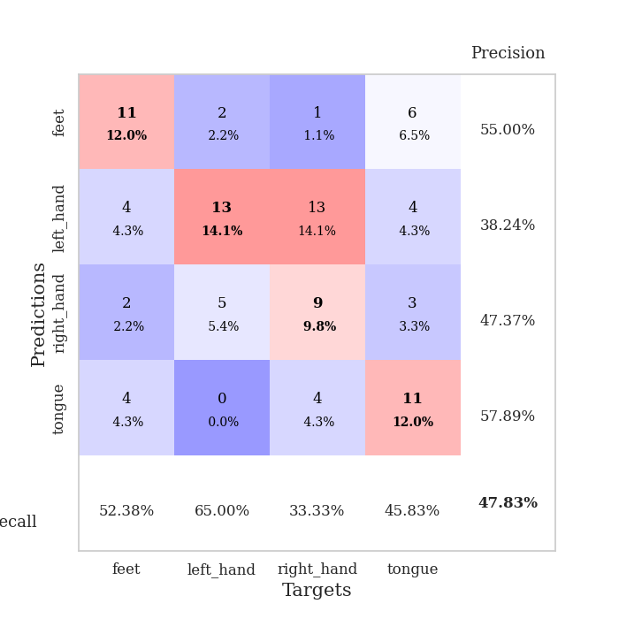
train_loss | valid_loss | train_accuracy | valid_accuracy | dur | train_misclass | valid_misclass
2.2909764767 | 5.172605245 | 0.2527173913 | 0.27173913043 | 0.035704374313 | 25.27173913 | 27.173913043
1.7517961979 | 2.92957535 | 0.31793478261 | 0.27173913043 | 0.03453373909 | 31.793478261 | 27.173913043
1.5112549543 | 3.0629625217 | 0.32336956522 | 0.30434782609 | 0.03416466713 | 32.336956522 | 30.434782609
1.2350056648 | 2.2018002738 | 0.52445652174 | 0.34782608696 | 0.034458398819 | 52.445652174 | 34.782608696
1.0841124415 | 1.9663915841 | 0.65217391304 | 0.35869565217 | 0.034352779388 | 65.217391304 | 35.869565217
0.93959565163 | 2.2620964776 | 0.6847826087 | 0.36956521739 | 0.034468650818 | 68.47826087 | 36.956521739
0.80158932209 | 1.9591511643 | 0.74456521739 | 0.39130434783 | 0.034417867661 | 74.456521739 | 39.130434783
0.66442645788 | 2.0865711233 | 0.76902173913 | 0.34782608696 | 0.034469604492 | 76.902173913 | 34.782608696
0.63690667152 | 2.3016827728 | 0.73641304348 | 0.36956521739 | 0.0341796875 | 73.641304348 | 36.956521739
0.59405347109 | 2.1872545429 | 0.85054347826 | 0.38043478261 | 0.034566879272 | 85.054347826 | 38.043478261
0.489537251 | 2.0701479912 | 0.88858695652 | 0.33695652174 | 0.034196138382 | 88.858695652 | 33.695652174
0.51122057438 | 2.0247354818 | 0.92663043478 | 0.41304347826 | 0.034214735031 | 92.663043478 | 41.304347826
0.46087628007 | 2.2741242077 | 0.91304347826 | 0.38043478261 | 0.034459352493 | 91.304347826 | 38.043478261
0.43893202543 | 1.9664954103 | 0.95380434783 | 0.35869565217 | 0.034278154373 | 95.380434783 | 35.869565217
0.40915036798 | 2.171990094 | 0.94836956522 | 0.39130434783 | 0.03413939476 | 94.836956522 | 39.130434783
0.32183462381 | 2.3501152889 | 0.9402173913 | 0.42391304348 | 0.034066677094 | 94.02173913 | 42.391304348
0.39067146182 | 2.1782777828 | 0.96195652174 | 0.42391304348 | 0.034557580948 | 96.195652174 | 42.391304348
0.41379338503 | 2.1345048987 | 0.97282608696 | 0.42391304348 | 0.03423500061 | 97.282608696 | 42.391304348
0.31525755823 | 2.1687734334 | 0.98913043478 | 0.4347826087 | 0.034272432327 | 98.913043478 | 43.47826087
0.24208007455 | 2.352376969 | 0.98369565217 | 0.4347826087 | 0.034403085709 | 98.369565217 | 43.47826087
0.27837184668 | 2.1979840009 | 0.98913043478 | 0.45652173913 | 0.036143302917 | 98.913043478 | 45.652173913
0.24350712597 | 2.1943317704 | 0.9972826087 | 0.4347826087 | 0.038406848907 | 99.72826087 | 43.47826087
0.19018139243 | 2.1599062422 | 0.9972826087 | 0.47826086957 | 0.039329051971 | 99.72826087 | 47.826086957
0.22642094195 | 2.1221775076 | 0.99184782609 | 0.47826086957 | 0.034197092056 | 99.184782609 | 47.826086957
0.20549381971 | 2.0637473956 | 0.9972826087 | 0.47826086957 | 0.033990859985 | 99.72826087 | 47.826086957
0.20964108109 | 2.076011523 | 0.9972826087 | 0.40217391304 | 0.034187078476 | 99.72826087 | 40.217391304
0.1139391169 | 2.1689562694 | 1 | 0.33695652174 | 0.03401517868 | 100 | 33.695652174
0.1320238471 | 2.1365815868 | 1 | 0.39130434783 | 0.033957242966 | 100 | 39.130434783
0.14101651758 | 2.1411201021 | 1 | 0.38043478261 | 0.034094810486 | 100 | 38.043478261
0.11802885979 | 2.2067651852 | 1 | 0.39130434783 | 0.034031629562 | 100 | 39.130434783
0.1641025424 | 2.2814035727 | 1 | 0.42391304348 | 0.034028053284 | 100 | 42.391304348
0.14039488435 | 2.296258263 | 1 | 0.42391304348 | 0.034034967422 | 100 | 42.391304348
0.15128941759 | 2.37808807 | 0.9972826087 | 0.42391304348 | 0.034054517746 | 99.72826087 | 42.391304348
0.093376785517 | 2.3937445413 | 0.9972826087 | 0.4347826087 | 0.033993959427 | 99.72826087 | 43.47826087
0.12937014997 | 2.3449833808 | 1 | 0.41304347826 | 0.036078929901 | 100 | 41.304347826
0.12328096032 | 2.2547811944 | 1 | 0.38043478261 | 0.033828496933 | 100 | 38.043478261
0.13811932951 | 2.2345448681 | 1 | 0.39130434783 | 0.033839702606 | 100 | 39.130434783
0.052474186569 | 2.2759669864 | 1 | 0.38043478261 | 0.033961057663 | 100 | 38.043478261
0.11802159324 | 2.3088117579 | 1 | 0.39130434783 | 0.035249471664 | 100 | 39.130434783
0.096846330166 | 2.3186794882 | 1 | 0.39130434783 | 0.034889221191 | 100 | 39.130434783
0.072359720618 | 2.3122506142 | 1 | 0.40217391304 | 0.03413271904 | 100 | 40.217391304
0.099356761575 | 2.3039415919 | 1 | 0.41304347826 | 0.034211158752 | 100 | 41.304347826
0.087011624128 | 2.2973175774 | 1 | 0.41304347826 | 0.036154508591 | 100 | 41.304347826
0.079003036767 | 2.2957721171 | 1 | 0.40217391304 | 0.033823490143 | 100 | 40.217391304
0.059795761108 | 2.2922578791 | 1 | 0.40217391304 | 0.033902645111 | 100 | 40.217391304
0.10080152601 | 2.2970772515 | 1 | 0.40217391304 | 0.033814907074 | 100 | 40.217391304
0.072238608822 | 2.2971756458 | 1 | 0.40217391304 | 0.03386092186 | 100 | 40.217391304
0.049837069213 | 2.294739775 | 1 | 0.40217391304 | 0.035734653473 | 100 | 40.217391304
0.06135654524 | 2.295785707 | 1 | 0.40217391304 | 0.035702943802 | 100 | 40.217391304
0.071719842404 | 2.2913262533 | 1 | 0.40217391304 | 0.035132884979 | 100 | 40.217391304

Best Val accuracy is 0.4782608695652174 and Best test accuracy is 0.41379310344827586

