Sheet
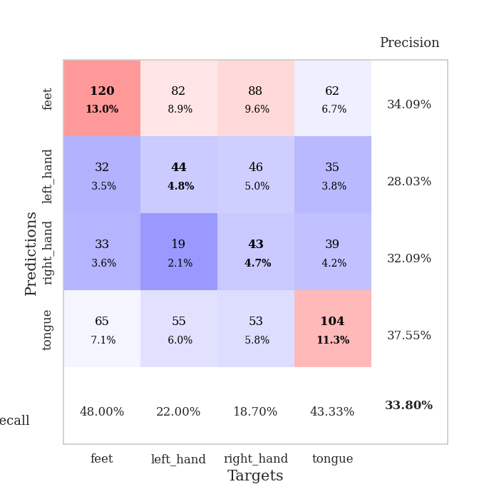
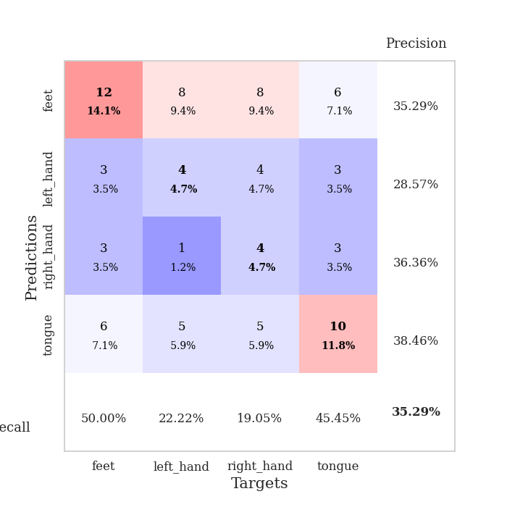
best_val_acc | best_val_los | best_test_acc
0.28260869565 | 2.0512509812 | 0.22413793103
0.29347826087 | 2.2861220526 | 0.31034482759
0.34782608696 | 2.251705688 | 0.31896551724
0.34782608696 | 2.1720752094 | 0.27586206897
0.34782608696 | 2.1972692013 | 0.37068965517
0.33695652174 | 2.2161256541 | 0.25862068966
0.34782608696 | 2.1318069748 | 0.29310344828
0.33695652174 | 2.1553954767 | 0.29310344828
0.39130434783 | 2.11127106 | 0.31034482759
0.34782608696 | 2.2924104462 | 0.25

Mean,std Val accuracy is 0.33804347826086956 , 0.030508020920320126 and mean, std test accuracy is 0.29051724137931034 , 0.04125340039312207

Sheet1
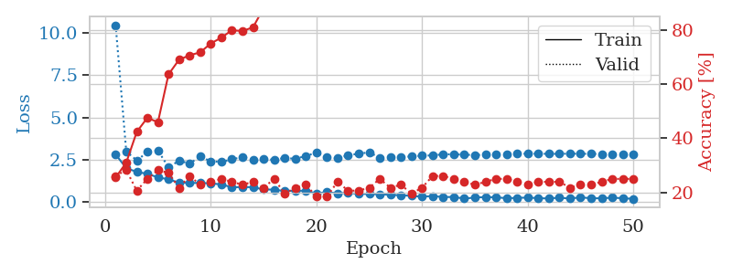
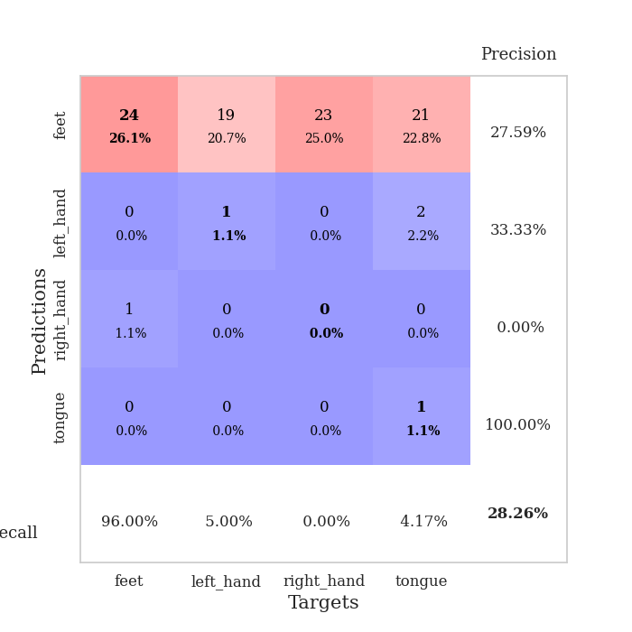
train_loss | valid_loss | train_accuracy | valid_accuracy | dur | train_misclass | valid_misclass
2.8106266022 | 10.458509031 | 0.25543478261 | 0.26086956522 | 0.035213947296 | 25.543478261 | 26.086956522
1.9985125542 | 2.9882351938 | 0.3097826087 | 0.28260869565 | 0.034034013748 | 30.97826087 | 28.260869565
1.7803649664 | 2.4526817695 | 0.42391304348 | 0.20652173913 | 0.035310029984 | 42.391304348 | 20.652173913
1.6602926016 | 2.9509118847 | 0.47554347826 | 0.25 | 0.035285234451 | 47.554347826 | 25
1.4583978415 | 3.0454337079 | 0.45923913043 | 0.28260869565 | 0.034943580627 | 45.923913043 | 28.260869565
1.3356705666 | 2.0512509812 | 0.63586956522 | 0.27173913043 | 0.033630132675 | 63.586956522 | 27.173913043
1.1439302802 | 2.4369902714 | 0.6902173913 | 0.21739130435 | 0.035115718842 | 69.02173913 | 21.739130435
1.1237166762 | 2.2732298996 | 0.70652173913 | 0.26086956522 | 0.035127401352 | 70.652173913 | 26.086956522
1.1250211477 | 2.6827263003 | 0.71739130435 | 0.22826086957 | 0.03506565094 | 71.739130435 | 22.826086957
1.0993689418 | 2.4066245349 | 0.75 | 0.23913043478 | 0.034294605255 | 75 | 23.913043478
1.0374149799 | 2.3681711321 | 0.77173913043 | 0.25 | 0.035097837448 | 77.173913043 | 25
0.869462502 | 2.5202412605 | 0.79891304348 | 0.23913043478 | 0.034938812256 | 79.891304348 | 23.913043478
0.88128957748 | 2.6564374281 | 0.79619565217 | 0.22826086957 | 0.034802675247 | 79.619565217 | 22.826086957
0.87558249235 | 2.4829237565 | 0.8097826087 | 0.23913043478 | 0.035101890564 | 80.97826087 | 23.913043478
0.73848178387 | 2.5290797171 | 0.88043478261 | 0.21739130435 | 0.035066366196 | 88.043478261 | 21.739130435
0.72988592982 | 2.4979087892 | 0.86956521739 | 0.25 | 0.034984588623 | 86.956521739 | 25
0.64313642979 | 2.6043580097 | 0.89402173913 | 0.19565217391 | 0.035141706467 | 89.402173913 | 19.565217391
0.67002772093 | 2.5515129463 | 0.89673913043 | 0.21739130435 | 0.034507513046 | 89.673913043 | 21.739130435
0.6579292655 | 2.7203799331 | 0.91032608696 | 0.22826086957 | 0.034976959229 | 91.032608696 | 22.826086957
0.50583990216 | 2.9159449702 | 0.88858695652 | 0.1847826087 | 0.034559488297 | 88.858695652 | 18.47826087
0.57363220453 | 2.6498661871 | 0.94293478261 | 0.1847826087 | 0.035264968872 | 94.293478261 | 18.47826087
0.51311231256 | 2.5794894903 | 0.95108695652 | 0.23913043478 | 0.03515291214 | 95.108695652 | 23.913043478
0.53394575119 | 2.7675917874 | 0.94836956522 | 0.20652173913 | 0.034851312637 | 94.836956522 | 20.652173913
0.47820442319 | 2.8509889064 | 0.94565217391 | 0.20652173913 | 0.03519320488 | 94.565217391 | 20.652173913
0.47204708457 | 2.9377679618 | 0.95380434783 | 0.21739130435 | 0.035089969635 | 95.380434783 | 21.739130435
0.45794243217 | 2.6123863096 | 0.96195652174 | 0.25 | 0.035182476044 | 96.195652174 | 25
0.42330906689 | 2.6516838696 | 0.95652173913 | 0.21739130435 | 0.035289525986 | 95.652173913 | 21.739130435
0.39599093795 | 2.6441873986 | 0.97282608696 | 0.22826086957 | 0.035118341446 | 97.282608696 | 22.826086957
0.36333967447 | 2.6969888107 | 0.97554347826 | 0.19565217391 | 0.034941673279 | 97.554347826 | 19.565217391
0.30485158265 | 2.7367892058 | 0.98641304348 | 0.21739130435 | 0.035092115402 | 98.641304348 | 21.739130435
0.35406289101 | 2.7546993442 | 0.98913043478 | 0.26086956522 | 0.035143613815 | 98.913043478 | 26.086956522
0.28697505295 | 2.819741446 | 0.99184782609 | 0.26086956522 | 0.035159349442 | 99.184782609 | 26.086956522
0.29926238358 | 2.8179595781 | 0.9972826087 | 0.25 | 0.034438371658 | 99.72826087 | 25
0.19642238766 | 2.7971165077 | 0.9972826087 | 0.23913043478 | 0.034651756287 | 99.72826087 | 23.913043478
0.26537304819 | 2.7745151001 | 0.9972826087 | 0.22826086957 | 0.035073757172 | 99.72826087 | 22.826086957
0.28619805276 | 2.7920542385 | 0.9972826087 | 0.23913043478 | 0.034939289093 | 99.72826087 | 23.913043478
0.27747144997 | 2.8037799234 | 1 | 0.25 | 0.035065174103 | 100 | 25
0.22057243586 | 2.8257142668 | 0.9972826087 | 0.25 | 0.035649299622 | 99.72826087 | 25
0.24126854539 | 2.8424100565 | 1 | 0.23913043478 | 0.033312559128 | 100 | 23.913043478
0.25914732218 | 2.8587833695 | 1 | 0.22826086957 | 0.033506393433 | 100 | 22.826086957
0.22457595766 | 2.8536293818 | 1 | 0.23913043478 | 0.033500432968 | 100 | 23.913043478
0.20604918301 | 2.8465592447 | 1 | 0.23913043478 | 0.035221099854 | 100 | 23.913043478
0.25541606247 | 2.8466796149 | 1 | 0.23913043478 | 0.03547000885 | 100 | 23.913043478
0.19858779758 | 2.8563715686 | 1 | 0.21739130435 | 0.035467386246 | 100 | 21.739130435
0.27587574124 | 2.8528807163 | 1 | 0.22826086957 | 0.035471916199 | 100 | 22.826086957
0.2157304287 | 2.8429914868 | 1 | 0.22826086957 | 0.035905361176 | 100 | 22.826086957
0.21943556964 | 2.8407715611 | 1 | 0.23913043478 | 0.035474061966 | 100 | 23.913043478
0.25184253156 | 2.8391716895 | 1 | 0.25 | 0.035350561142 | 100 | 25
0.223001948 | 2.8383241944 | 1 | 0.25 | 0.03541636467 | 100 | 25
0.18257534355 | 2.8377853995 | 1 | 0.25 | 0.035420417786 | 100 | 25

Best Val accuracy is 0.2826086956521739 and Best test accuracy is 0.22413793103448276

Sheet2
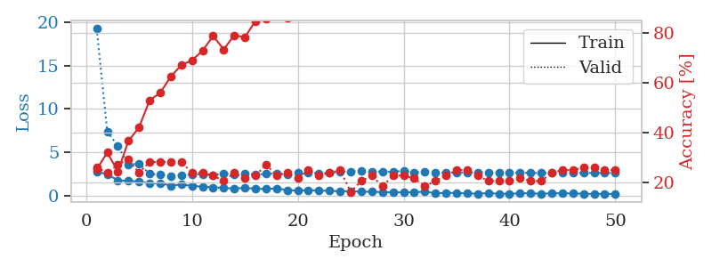
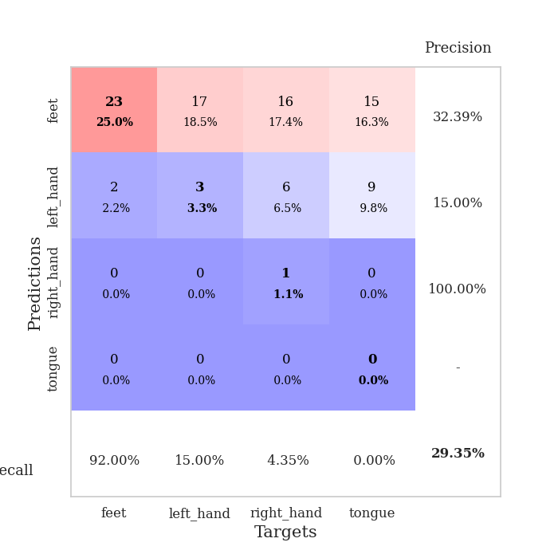
train_loss | valid_loss | train_accuracy | valid_accuracy | dur | train_misclass | valid_misclass
2.7545707226 | 19.235617679 | 0.2527173913 | 0.26086956522 | 0.035133600235 | 25.27173913 | 26.086956522
2.5066307068 | 7.3759459827 | 0.32065217391 | 0.23913043478 | 0.03354549408 | 32.065217391 | 23.913043478
1.7666259289 | 5.756732609 | 0.24456521739 | 0.27173913043 | 0.034696817398 | 24.456521739 | 27.173913043
1.7122752666 | 3.5995873368 | 0.36684782609 | 0.29347826087 | 0.034786939621 | 36.684782609 | 29.347826087
1.6628387451 | 3.7228518051 | 0.42119565217 | 0.23913043478 | 0.034725427628 | 42.119565217 | 23.913043478
1.4213196278 | 2.5172233478 | 0.52989130435 | 0.28260869565 | 0.034828662872 | 52.989130435 | 28.260869565
1.4694535732 | 2.4501517441 | 0.5597826087 | 0.28260869565 | 0.034836292267 | 55.97826087 | 28.260869565
1.1694938302 | 2.2861220526 | 0.625 | 0.28260869565 | 0.034994602203 | 62.5 | 28.260869565
1.3020263195 | 2.3878750905 | 0.67119565217 | 0.28260869565 | 0.034929990768 | 67.119565217 | 28.260869565
1.1432757735 | 2.4544280301 | 0.6902173913 | 0.23913043478 | 0.034852027893 | 69.02173913 | 23.913043478
1.0620025992 | 2.5064870793 | 0.72826086957 | 0.23913043478 | 0.034906148911 | 72.826086957 | 23.913043478
0.97838041782 | 2.3777486345 | 0.78804347826 | 0.22826086957 | 0.034801483154 | 78.804347826 | 22.826086957
0.92516583204 | 2.6138635615 | 0.73369565217 | 0.20652173913 | 0.034960508347 | 73.369565217 | 20.652173913
0.83325300217 | 2.4159988424 | 0.79076086957 | 0.23913043478 | 0.034875392914 | 79.076086957 | 23.913043478
0.91891798973 | 2.5898415628 | 0.78260869565 | 0.21739130435 | 0.03481554985 | 78.260869565 | 21.739130435
0.81863379478 | 2.4190078715 | 0.84782608696 | 0.22826086957 | 0.034885406494 | 84.782608696 | 22.826086957
0.79481650591 | 2.5405789355 | 0.85597826087 | 0.27173913043 | 0.034838199615 | 85.597826087 | 27.173913043
0.85112569332 | 2.566755471 | 0.875 | 0.22826086957 | 0.034870624542 | 87.5 | 22.826086957
0.66349009275 | 2.4405949427 | 0.86141304348 | 0.23913043478 | 0.034865617752 | 86.141304348 | 23.913043478
0.59913119078 | 2.6490002197 | 0.875 | 0.21739130435 | 0.034911394119 | 87.5 | 21.739130435
0.6712671876 | 2.6818736843 | 0.91032608696 | 0.25 | 0.034814119339 | 91.032608696 | 25
0.58518899679 | 2.6083885172 | 0.93206521739 | 0.22826086957 | 0.03484916687 | 93.206521739 | 22.826086957
0.59304562211 | 2.6185996325 | 0.9375 | 0.23913043478 | 0.034843683243 | 93.75 | 23.913043478
0.5154987216 | 2.776191359 | 0.93206521739 | 0.25 | 0.034908771515 | 93.206521739 | 25
0.5491572082 | 2.8192533306 | 0.94293478261 | 0.16304347826 | 0.034734249115 | 94.293478261 | 16.304347826
0.47024575472 | 2.9053627201 | 0.92934782609 | 0.20652173913 | 0.034858942032 | 92.934782609 | 20.652173913
0.47834675908 | 2.7922814203 | 0.97282608696 | 0.22826086957 | 0.034802913666 | 97.282608696 | 22.826086957
0.42289120555 | 2.789694558 | 0.95108695652 | 0.1847826087 | 0.034861087799 | 95.108695652 | 18.47826087
0.41220683455 | 2.7332159436 | 0.96467391304 | 0.22826086957 | 0.034817218781 | 96.467391304 | 22.826086957
0.39393921494 | 2.9162327932 | 0.95652173913 | 0.22826086957 | 0.035015583038 | 95.652173913 | 22.826086957
0.41430830956 | 2.6912538072 | 0.98097826087 | 0.21739130435 | 0.034872531891 | 98.097826087 | 21.739130435
0.49158308506 | 2.7745271662 | 0.98369565217 | 0.1847826087 | 0.034871816635 | 98.369565217 | 18.47826087
0.29253961444 | 2.7062159829 | 0.98913043478 | 0.20652173913 | 0.034858703613 | 98.913043478 | 20.652173913
0.34763741195 | 2.6483838455 | 0.98369565217 | 0.22826086957 | 0.034899711609 | 98.369565217 | 22.826086957
0.32663836181 | 2.6727485968 | 0.99184782609 | 0.25 | 0.035084486008 | 99.184782609 | 25
0.28007124066 | 2.6879381304 | 0.98913043478 | 0.25 | 0.034877061844 | 98.913043478 | 25
0.25267880261 | 2.7043177874 | 0.99456521739 | 0.22826086957 | 0.034847021103 | 99.456521739 | 22.826086957
0.31381705403 | 2.7139374484 | 1 | 0.20652173913 | 0.03488445282 | 100 | 20.652173913
0.23806358874 | 2.6898370929 | 0.9972826087 | 0.20652173913 | 0.034843206406 | 99.72826087 | 20.652173913
0.25705505311 | 2.6858604991 | 0.9972826087 | 0.20652173913 | 0.034756183624 | 99.72826087 | 20.652173913
0.26358540058 | 2.6483981298 | 0.9972826087 | 0.21739130435 | 0.034916639328 | 99.72826087 | 21.739130435
0.31552016735 | 2.6381699417 | 0.9972826087 | 0.20652173913 | 0.034857749939 | 99.72826087 | 20.652173913
0.21450351179 | 2.6287220561 | 0.9972826087 | 0.20652173913 | 0.03486084938 | 99.72826087 | 20.652173913
0.31210967898 | 2.6210151237 | 0.9972826087 | 0.23913043478 | 0.034978151321 | 99.72826087 | 23.913043478
0.28588582575 | 2.6255604184 | 1 | 0.25 | 0.034487009048 | 100 | 25
0.27007618248 | 2.6285279626 | 1 | 0.25 | 0.035149812698 | 100 | 25
0.24375100136 | 2.6294036015 | 1 | 0.26086956522 | 0.035184621811 | 100 | 26.086956522
0.21990116686 | 2.6306768189 | 1 | 0.26086956522 | 0.033350229263 | 100 | 26.086956522
0.22942088544 | 2.6298675433 | 1 | 0.25 | 0.033426761627 | 100 | 25
0.21960229576 | 2.6289345596 | 1 | 0.25 | 0.033344984055 | 100 | 25

Best Val accuracy is 0.29347826086956524 and Best test accuracy is 0.3103448275862069

Sheet3
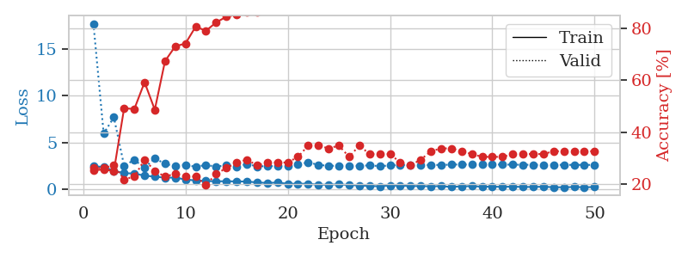
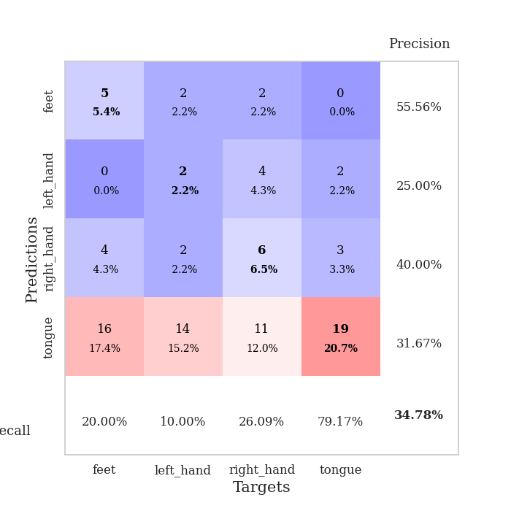
train_loss | valid_loss | train_accuracy | valid_accuracy | dur | train_misclass | valid_misclass
2.4400579453 | 17.764919903 | 0.2527173913 | 0.26086956522 | 0.034945249557 | 25.27173913 | 26.086956522
2.3505589485 | 5.9529995089 | 0.25543478261 | 0.26086956522 | 0.034687519073 | 25.543478261 | 26.086956522
1.9467098951 | 7.6905923097 | 0.25 | 0.27173913043 | 0.034284591675 | 25 | 27.173913043
1.6797654867 | 2.4821952633 | 0.49184782609 | 0.21739130435 | 0.033608913422 | 49.184782609 | 21.739130435
1.6543218136 | 3.1209934172 | 0.48913043478 | 0.22826086957 | 0.033145427704 | 48.913043478 | 22.826086957
1.4164932489 | 2.251705688 | 0.59239130435 | 0.29347826087 | 0.032822608948 | 59.239130435 | 29.347826087
1.3131069422 | 3.2799143377 | 0.48641304348 | 0.25 | 0.033905982971 | 48.641304348 | 25
1.2032559395 | 2.6986887351 | 0.67391304348 | 0.22826086957 | 0.032965660095 | 67.391304348 | 22.826086957
1.2101755738 | 2.4167397541 | 0.73097826087 | 0.23913043478 | 0.032953262329 | 73.097826087 | 23.913043478
1.0044620514 | 2.5795893151 | 0.74184782609 | 0.22826086957 | 0.032951116562 | 74.184782609 | 22.826086957
0.9055282712 | 2.3691111751 | 0.80706521739 | 0.22826086957 | 0.033002853394 | 80.706521739 | 22.826086957
0.84274681807 | 2.5689351973 | 0.79076086957 | 0.19565217391 | 0.03421497345 | 79.076086957 | 19.565217391
0.81588269472 | 2.3875834942 | 0.82336956522 | 0.23913043478 | 0.032756567001 | 82.336956522 | 23.913043478
0.81443994045 | 2.5396139414 | 0.84510869565 | 0.26086956522 | 0.033019304276 | 84.510869565 | 26.086956522
0.80237283707 | 2.3728851857 | 0.85326086957 | 0.28260869565 | 0.032971382141 | 85.326086957 | 28.260869565
0.78653334379 | 2.6823718962 | 0.86413043478 | 0.29347826087 | 0.032974004745 | 86.413043478 | 29.347826087
0.69325927496 | 2.4122507779 | 0.86413043478 | 0.27173913043 | 0.033012866974 | 86.413043478 | 27.173913043
0.62932260036 | 2.4506831895 | 0.89402173913 | 0.28260869565 | 0.033391475677 | 89.402173913 | 28.260869565
0.67861212492 | 2.4291510893 | 0.93206521739 | 0.28260869565 | 0.033859729767 | 93.206521739 | 28.260869565
0.54233899117 | 2.4852126474 | 0.9375 | 0.28260869565 | 0.032937049866 | 93.75 | 28.260869565
0.54465676546 | 2.6335829341 | 0.95108695652 | 0.30434782609 | 0.033070325851 | 95.108695652 | 30.434782609
0.55518866181 | 2.8477321397 | 0.91032608696 | 0.34782608696 | 0.033225297928 | 91.032608696 | 34.782608696
0.42959315181 | 2.5827581571 | 0.9402173913 | 0.34782608696 | 0.033800840378 | 94.02173913 | 34.782608696
0.46041089892 | 2.4746744633 | 0.95652173913 | 0.33695652174 | 0.03437256813 | 95.652173913 | 33.695652174
0.47883703709 | 2.4851020108 | 0.9375 | 0.34782608696 | 0.034368991852 | 93.75 | 34.782608696
0.41316514611 | 2.4960452474 | 0.97010869565 | 0.30434782609 | 0.033022642136 | 97.010869565 | 30.434782609
0.36883994937 | 2.472481541 | 0.97826086957 | 0.34782608696 | 0.032861709595 | 97.826086957 | 34.782608696
0.30806847811 | 2.5251465051 | 0.96739130435 | 0.3152173913 | 0.033047437668 | 96.739130435 | 31.52173913
0.28537448347 | 2.4434810825 | 0.98641304348 | 0.3152173913 | 0.033012628555 | 98.641304348 | 31.52173913
0.36758655906 | 2.5127254154 | 0.98097826087 | 0.3152173913 | 0.032868146896 | 98.097826087 | 31.52173913
0.34174060822 | 2.5783226179 | 0.98913043478 | 0.28260869565 | 0.033054113388 | 98.913043478 | 28.260869565
0.31410669684 | 2.5664432256 | 0.98641304348 | 0.27173913043 | 0.0353910923 | 98.641304348 | 27.173913043
0.29254390597 | 2.5306133291 | 0.99184782609 | 0.29347826087 | 0.03276348114 | 99.184782609 | 29.347826087
0.28342522979 | 2.5783782109 | 0.9972826087 | 0.32608695652 | 0.032781124115 | 99.72826087 | 32.608695652
0.29265204668 | 2.5656063764 | 1 | 0.33695652174 | 0.033525943756 | 100 | 33.695652174
0.20195151567 | 2.6061190004 | 1 | 0.33695652174 | 0.034071683884 | 100 | 33.695652174
0.28314456046 | 2.6257456178 | 1 | 0.32608695652 | 0.033464670181 | 100 | 32.608695652
0.28838763237 | 2.6031994301 | 1 | 0.3152173913 | 0.0335521698 | 100 | 31.52173913
0.24260899425 | 2.6126493889 | 1 | 0.30434782609 | 0.033677816391 | 100 | 30.434782609
0.23793970942 | 2.6141005495 | 1 | 0.30434782609 | 0.034483909607 | 100 | 30.434782609
0.21509333849 | 2.6135366378 | 1 | 0.30434782609 | 0.034511089325 | 100 | 30.434782609
0.244438079 | 2.5995006769 | 1 | 0.3152173913 | 0.032866239548 | 100 | 31.52173913
0.20147815347 | 2.5920292087 | 1 | 0.3152173913 | 0.033044815063 | 100 | 31.52173913
0.20969100595 | 2.587010622 | 1 | 0.3152173913 | 0.03333067894 | 100 | 31.52173913
0.23153636456 | 2.5888083603 | 1 | 0.3152173913 | 0.03434920311 | 100 | 31.52173913
0.17800937891 | 2.583851296 | 1 | 0.32608695652 | 0.03466963768 | 100 | 32.608695652
0.17137186378 | 2.5799878473 | 1 | 0.32608695652 | 0.034150600433 | 100 | 32.608695652
0.19976951778 | 2.5789430141 | 1 | 0.32608695652 | 0.033190488815 | 100 | 32.608695652
0.17492581904 | 2.5749157512 | 1 | 0.32608695652 | 0.033025026321 | 100 | 32.608695652
0.19462654889 | 2.5755755383 | 1 | 0.32608695652 | 0.03320980072 | 100 | 32.608695652

Best Val accuracy is 0.34782608695652173 and Best test accuracy is 0.31896551724137934

Sheet4
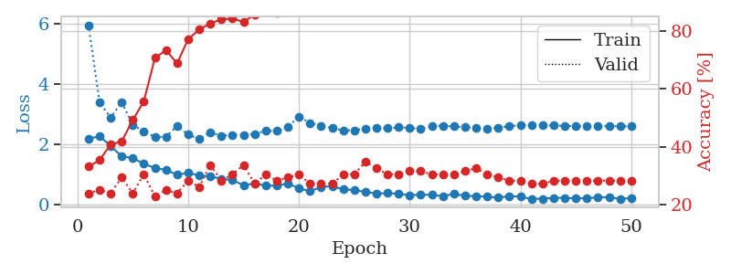
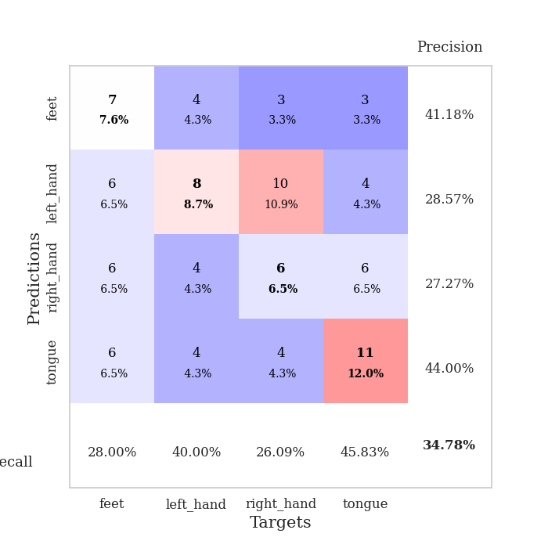
train_loss | valid_loss | train_accuracy | valid_accuracy | dur | train_misclass | valid_misclass
2.1707962513 | 5.9509863231 | 0.33152173913 | 0.23913043478 | 0.034575939178 | 33.152173913 | 23.913043478
2.269695878 | 3.4002361401 | 0.35326086957 | 0.25 | 0.033188819885 | 35.326086957 | 25
1.9355002403 | 2.8770774862 | 0.40760869565 | 0.23913043478 | 0.033396482468 | 40.760869565 | 23.913043478
1.5946343899 | 3.389794443 | 0.41847826087 | 0.29347826087 | 0.033004045486 | 41.847826087 | 29.347826087
1.5387410402 | 2.6411399116 | 0.49184782609 | 0.23913043478 | 0.033334970474 | 49.184782609 | 23.913043478
1.3468928576 | 2.4202011565 | 0.55706521739 | 0.30434782609 | 0.033096551895 | 55.706521739 | 30.434782609
1.210884881 | 2.2390834871 | 0.70652173913 | 0.22826086957 | 0.033324956894 | 70.652173913 | 22.826086957
1.142474699 | 2.243490188 | 0.73369565217 | 0.25 | 0.033083677292 | 73.369565217 | 25
0.98779748678 | 2.6099400106 | 0.6875 | 0.23913043478 | 0.032957315445 | 68.75 | 23.913043478
1.0426089525 | 2.3147495311 | 0.77173913043 | 0.28260869565 | 0.033119678497 | 77.173913043 | 28.260869565
0.96534663439 | 2.1720752094 | 0.80434782609 | 0.26086956522 | 0.033077478409 | 80.434782609 | 26.086956522
0.9239784956 | 2.3896775038 | 0.82608695652 | 0.33695652174 | 0.033042192459 | 82.608695652 | 33.695652174
0.85273374319 | 2.2785403262 | 0.83967391304 | 0.28260869565 | 0.033378601074 | 83.967391304 | 28.260869565
0.80469990969 | 2.3116653691 | 0.84239130435 | 0.30434782609 | 0.032952070236 | 84.239130435 | 30.434782609
0.63570162058 | 2.3067819347 | 0.83152173913 | 0.33695652174 | 0.032969713211 | 83.152173913 | 33.695652174
0.69265797138 | 2.3398665034 | 0.85597826087 | 0.27173913043 | 0.033106803894 | 85.597826087 | 27.173913043
0.62761009336 | 2.4407549112 | 0.89130434783 | 0.30434782609 | 0.033088922501 | 89.130434783 | 30.434782609
0.61931490302 | 2.4355691723 | 0.86141304348 | 0.28260869565 | 0.033094644547 | 86.141304348 | 28.260869565
0.69534086585 | 2.5706198837 | 0.91032608696 | 0.29347826087 | 0.033030748367 | 91.032608696 | 29.347826087
0.53509634733 | 2.9185604945 | 0.90217391304 | 0.30434782609 | 0.03314447403 | 90.217391304 | 30.434782609
0.43729415536 | 2.699653781 | 0.92119565217 | 0.27173913043 | 0.033041954041 | 92.119565217 | 27.173913043
0.58181872368 | 2.6087819908 | 0.96467391304 | 0.27173913043 | 0.033113718033 | 96.467391304 | 27.173913043
0.60150635242 | 2.5399889842 | 0.94293478261 | 0.27173913043 | 0.035500526428 | 94.293478261 | 27.173913043
0.50332006216 | 2.4531262439 | 0.93206521739 | 0.30434782609 | 0.032860040665 | 93.206521739 | 30.434782609
0.47354209423 | 2.4625908706 | 0.94565217391 | 0.30434782609 | 0.032913923264 | 94.565217391 | 30.434782609
0.41539980769 | 2.5204615075 | 0.97010869565 | 0.34782608696 | 0.032910585403 | 97.010869565 | 34.782608696
0.35812055469 | 2.5430895557 | 0.98097826087 | 0.32608695652 | 0.035577535629 | 98.097826087 | 32.608695652
0.37567075193 | 2.5306406228 | 0.98369565217 | 0.30434782609 | 0.032890319824 | 98.369565217 | 30.434782609
0.34593922198 | 2.558532124 | 0.97826086957 | 0.30434782609 | 0.032871484756 | 97.826086957 | 30.434782609
0.30702255368 | 2.5364783639 | 0.97282608696 | 0.3152173913 | 0.032793998718 | 97.282608696 | 31.52173913
0.31992394924 | 2.5046293425 | 0.98369565217 | 0.3152173913 | 0.032819032669 | 98.369565217 | 31.52173913
0.31579971313 | 2.6071352544 | 0.98641304348 | 0.30434782609 | 0.032989501953 | 98.641304348 | 30.434782609
0.27313107848 | 2.6077256617 | 0.98369565217 | 0.30434782609 | 0.032856941223 | 98.369565217 | 30.434782609
0.34816616774 | 2.5890851021 | 0.99456521739 | 0.30434782609 | 0.032901287079 | 99.456521739 | 30.434782609
0.28331032693 | 2.5613512371 | 0.99184782609 | 0.3152173913 | 0.032964468002 | 99.184782609 | 31.52173913
0.27234331071 | 2.5289724702 | 0.9972826087 | 0.32608695652 | 0.03279876709 | 99.72826087 | 32.608695652
0.25486970842 | 2.5168676584 | 0.9972826087 | 0.30434782609 | 0.034148216248 | 99.72826087 | 30.434782609
0.2215518862 | 2.5485305579 | 1 | 0.29347826087 | 0.032913684845 | 100 | 29.347826087
0.27485351562 | 2.5984835106 | 1 | 0.28260869565 | 0.032999277115 | 100 | 28.260869565
0.2535568893 | 2.6257861904 | 1 | 0.28260869565 | 0.032855272293 | 100 | 28.260869565
0.18300637305 | 2.6353575769 | 1 | 0.27173913043 | 0.032948970795 | 100 | 27.173913043
0.18890494406 | 2.6275069714 | 1 | 0.27173913043 | 0.032876729965 | 100 | 27.173913043
0.21491857171 | 2.618902507 | 1 | 0.28260869565 | 0.032874584198 | 100 | 28.260869565
0.21877319217 | 2.6074759753 | 1 | 0.28260869565 | 0.03341960907 | 100 | 28.260869565
0.19812847376 | 2.5954165251 | 1 | 0.28260869565 | 0.032913446426 | 100 | 28.260869565
0.20929120183 | 2.5950173191 | 1 | 0.28260869565 | 0.032985448837 | 100 | 28.260869565
0.22959336638 | 2.5954918965 | 1 | 0.28260869565 | 0.032852649689 | 100 | 28.260869565
0.24196288884 | 2.5955790851 | 1 | 0.28260869565 | 0.032952070236 | 100 | 28.260869565
0.1824483797 | 2.5937909147 | 1 | 0.28260869565 | 0.032891511917 | 100 | 28.260869565
0.20961467028 | 2.5928476064 | 1 | 0.28260869565 | 0.032846450806 | 100 | 28.260869565

Best Val accuracy is 0.34782608695652173 and Best test accuracy is 0.27586206896551724

Sheet5
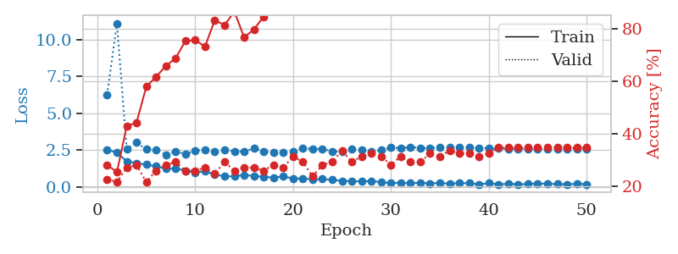
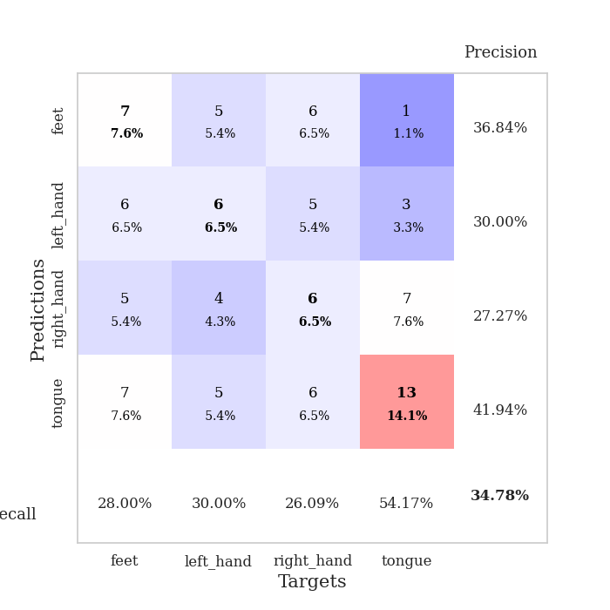
train_loss | valid_loss | train_accuracy | valid_accuracy | dur | train_misclass | valid_misclass
2.536907196 | 6.2588366218 | 0.28260869565 | 0.22826086957 | 0.035676956177 | 28.260869565 | 22.826086957
2.3273059845 | 11.089830274 | 0.25543478261 | 0.21739130435 | 0.03529047966 | 25.543478261 | 21.739130435
1.7424751997 | 2.590667735 | 0.42934782609 | 0.27173913043 | 0.034964561462 | 42.934782609 | 27.173913043
1.6220867634 | 3.0102039005 | 0.44293478261 | 0.28260869565 | 0.035023927689 | 44.293478261 | 28.260869565
1.5217666388 | 2.5518068853 | 0.57880434783 | 0.21739130435 | 0.035076618195 | 57.880434783 | 21.739130435
1.4107172728 | 2.5165354687 | 0.61684782609 | 0.26086956522 | 0.034921884537 | 61.684782609 | 26.086956522
1.2300006866 | 2.1972692013 | 0.65760869565 | 0.28260869565 | 0.034866333008 | 65.760869565 | 28.260869565
1.2758784294 | 2.4227834059 | 0.6875 | 0.29347826087 | 0.03824877739 | 68.75 | 29.347826087
1.0899982691 | 2.2269211748 | 0.7527173913 | 0.26086956522 | 0.035000324249 | 75.27173913 | 26.086956522
0.99358243942 | 2.4618544164 | 0.75543478261 | 0.26086956522 | 0.034821271896 | 75.543478261 | 26.086956522
1.060811007 | 2.5191231396 | 0.73097826087 | 0.27173913043 | 0.034756422043 | 73.097826087 | 27.173913043
0.84918439388 | 2.3958117133 | 0.83152173913 | 0.25 | 0.034895896912 | 83.152173913 | 25
0.71972151995 | 2.5415374611 | 0.8125 | 0.29347826087 | 0.034784078598 | 81.25 | 29.347826087
0.72837170362 | 2.42110978 | 0.86413043478 | 0.26086956522 | 0.035083532333 | 86.413043478 | 26.086956522
0.81668266058 | 2.3917380105 | 0.76630434783 | 0.27173913043 | 0.035086870193 | 76.630434783 | 27.173913043
0.75134016871 | 2.6363600648 | 0.79619565217 | 0.27173913043 | 0.034958839417 | 79.619565217 | 27.173913043
0.70353122354 | 2.4102071783 | 0.84510869565 | 0.26086956522 | 0.035043478012 | 84.510869565 | 26.086956522
0.62886451483 | 2.3366071556 | 0.90760869565 | 0.28260869565 | 0.035093545914 | 90.760869565 | 28.260869565
0.72106544971 | 2.3594502522 | 0.92663043478 | 0.27173913043 | 0.035180807114 | 92.663043478 | 27.173913043
0.57879114747 | 2.4081974237 | 0.94293478261 | 0.3152173913 | 0.035074234009 | 94.293478261 | 31.52173913
0.56642585993 | 2.6343268934 | 0.92119565217 | 0.29347826087 | 0.0368039608 | 92.119565217 | 29.347826087
0.52803385854 | 2.5910120321 | 0.97010869565 | 0.23913043478 | 0.035157680511 | 97.010869565 | 23.913043478
0.54175184965 | 2.5798674977 | 0.95380434783 | 0.28260869565 | 0.035023212433 | 95.380434783 | 28.260869565
0.48193590045 | 2.4222935905 | 0.96467391304 | 0.29347826087 | 0.035085916519 | 96.467391304 | 29.347826087
0.41560771465 | 2.3926173604 | 0.97282608696 | 0.33695652174 | 0.035067796707 | 97.282608696 | 33.695652174
0.39856587648 | 2.5495688501 | 0.9402173913 | 0.29347826087 | 0.035347938538 | 94.02173913 | 29.347826087
0.38426519036 | 2.5322168495 | 0.95923913043 | 0.3152173913 | 0.035049676895 | 95.923913043 | 31.52173913
0.4053825587 | 2.3981173142 | 0.97826086957 | 0.32608695652 | 0.035107374191 | 97.826086957 | 32.608695652
0.33059020638 | 2.5052699006 | 0.98641304348 | 0.3152173913 | 0.035053253174 | 98.641304348 | 31.52173913
0.26271108687 | 2.6645817238 | 0.98641304348 | 0.28260869565 | 0.034982204437 | 98.641304348 | 28.260869565
0.29436256886 | 2.6500579067 | 0.99184782609 | 0.3152173913 | 0.034630775452 | 99.184782609 | 31.52173913
0.25567495525 | 2.6960386504 | 0.98369565217 | 0.29347826087 | 0.034954547882 | 98.369565217 | 29.347826087
0.28841349483 | 2.6603093251 | 0.99184782609 | 0.29347826087 | 0.035284757614 | 99.184782609 | 29.347826087
0.24820362628 | 2.6343420174 | 0.9972826087 | 0.32608695652 | 0.035277605057 | 99.72826087 | 32.608695652
0.27201763391 | 2.7091678847 | 0.9972826087 | 0.3152173913 | 0.03527879715 | 99.72826087 | 31.52173913
0.22699562609 | 2.6830076446 | 1 | 0.33695652174 | 0.035377502441 | 100 | 33.695652174
0.2682864815 | 2.7028331238 | 1 | 0.32608695652 | 0.035290002823 | 100 | 32.608695652
0.25295857787 | 2.6872392634 | 0.9972826087 | 0.32608695652 | 0.035356044769 | 99.72826087 | 32.608695652
0.18797409087 | 2.6577525035 | 1 | 0.3152173913 | 0.035379886627 | 100 | 31.52173913
0.25320778787 | 2.6404104544 | 1 | 0.32608695652 | 0.035361289978 | 100 | 32.608695652
0.18107656389 | 2.6085464125 | 1 | 0.34782608696 | 0.035365581512 | 100 | 34.782608696
0.21824278533 | 2.5928347422 | 1 | 0.34782608696 | 0.035459280014 | 100 | 34.782608696
0.18775850236 | 2.5958439475 | 1 | 0.34782608696 | 0.03534579277 | 100 | 34.782608696
0.19624058008 | 2.593536377 | 1 | 0.34782608696 | 0.03520321846 | 100 | 34.782608696
0.25186984539 | 2.5914167632 | 1 | 0.34782608696 | 0.036857843399 | 100 | 34.782608696
0.21432972103 | 2.5893370691 | 1 | 0.34782608696 | 0.035469055176 | 100 | 34.782608696
0.20178921819 | 2.5909281503 | 1 | 0.34782608696 | 0.035344839096 | 100 | 34.782608696
0.18253974468 | 2.5894417763 | 1 | 0.34782608696 | 0.035421133041 | 100 | 34.782608696
0.22240386009 | 2.590035169 | 1 | 0.34782608696 | 0.035498380661 | 100 | 34.782608696
0.19461715966 | 2.5891493092 | 1 | 0.34782608696 | 0.035314321518 | 100 | 34.782608696

Best Val accuracy is 0.34782608695652173 and Best test accuracy is 0.3706896551724138

Sheet6
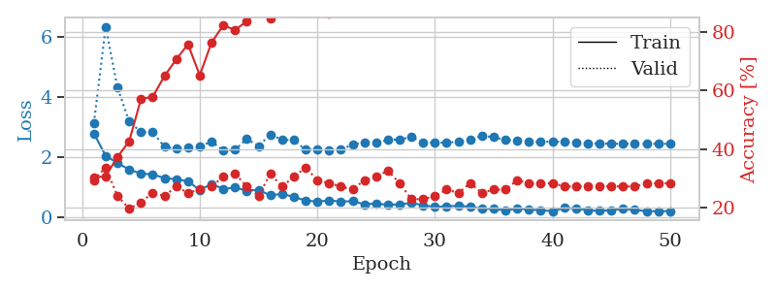
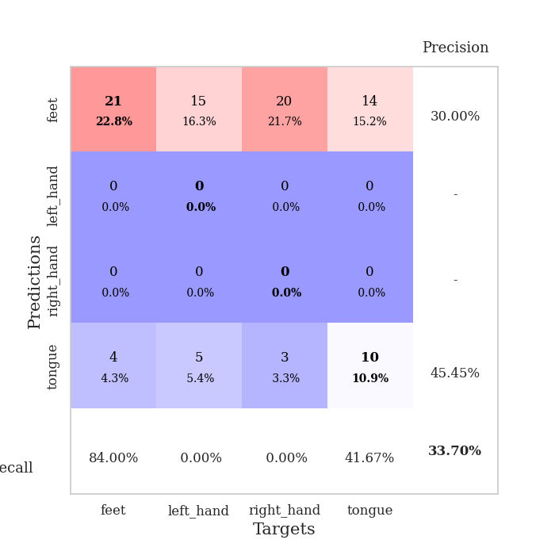
train_loss | valid_loss | train_accuracy | valid_accuracy | dur | train_misclass | valid_misclass
2.7899405956 | 3.1296963795 | 0.30163043478 | 0.29347826087 | 0.035983800888 | 30.163043478 | 29.347826087
2.0394971609 | 6.3480228134 | 0.30706521739 | 0.33695652174 | 0.035178184509 | 30.706521739 | 33.695652174
1.8054101944 | 4.322515923 | 0.3722826087 | 0.23913043478 | 0.034110546112 | 37.22826087 | 23.913043478
1.582649231 | 3.1891123834 | 0.42663043478 | 0.19565217391 | 0.033695936203 | 42.663043478 | 19.565217391
1.4522237539 | 2.8254055873 | 0.57065217391 | 0.21739130435 | 0.033864498138 | 57.065217391 | 21.739130435
1.4217757702 | 2.8275089057 | 0.57880434783 | 0.25 | 0.033754348755 | 57.880434783 | 25
1.2986354232 | 2.3438245628 | 0.64945652174 | 0.23913043478 | 0.033876419067 | 64.945652174 | 23.913043478
1.2625078201 | 2.2739758492 | 0.70652173913 | 0.27173913043 | 0.033826112747 | 70.652173913 | 27.173913043
1.1929524422 | 2.3194142321 | 0.75815217391 | 0.25 | 0.034010410309 | 75.815217391 | 25
0.89668676853 | 2.3455036619 | 0.65217391304 | 0.26086956522 | 0.033777475357 | 65.217391304 | 26.086956522
1.1072893023 | 2.5217194143 | 0.76358695652 | 0.27173913043 | 0.033854484558 | 76.358695652 | 27.173913043
0.93472526073 | 2.2161256541 | 0.82336956522 | 0.30434782609 | 0.033757209778 | 82.336956522 | 30.434782609
0.98502658606 | 2.2442279588 | 0.80706521739 | 0.3152173913 | 0.033799409866 | 80.706521739 | 31.52173913
0.87900342941 | 2.6030659676 | 0.83695652174 | 0.27173913043 | 0.033904314041 | 83.695652174 | 27.173913043
0.90726140738 | 2.3671176952 | 0.8777173913 | 0.23913043478 | 0.033823490143 | 87.77173913 | 23.913043478
0.72095689774 | 2.7556065891 | 0.84782608696 | 0.3152173913 | 0.033790826797 | 84.782608696 | 31.52173913
0.7733821094 | 2.5769874013 | 0.88315217391 | 0.27173913043 | 0.033782482147 | 88.315217391 | 27.173913043
0.67120386362 | 2.568801346 | 0.90489130435 | 0.30434782609 | 0.033701181412 | 90.489130435 | 30.434782609
0.55334877968 | 2.2412894705 | 0.92663043478 | 0.33695652174 | 0.033777713776 | 92.663043478 | 33.695652174
0.51553077698 | 2.2444665121 | 0.88586956522 | 0.29347826087 | 0.033748626709 | 88.586956522 | 29.347826087
0.5520309329 | 2.2335473144 | 0.86413043478 | 0.28260869565 | 0.033763885498 | 86.413043478 | 28.260869565
0.5191721499 | 2.2496153583 | 0.91304347826 | 0.27173913043 | 0.033813476562 | 91.304347826 | 27.173913043
0.52954295874 | 2.4176327249 | 0.92934782609 | 0.26086956522 | 0.033824920654 | 92.934782609 | 26.086956522
0.42524350882 | 2.4869298002 | 0.9402173913 | 0.29347826087 | 0.033831834793 | 94.02173913 | 29.347826087
0.45491979718 | 2.4718216709 | 0.96739130435 | 0.30434782609 | 0.033769607544 | 96.739130435 | 30.434782609
0.40442706943 | 2.5704586506 | 0.96739130435 | 0.32608695652 | 0.033758878708 | 96.739130435 | 32.608695652
0.42786812782 | 2.5945784942 | 0.98097826087 | 0.28260869565 | 0.033704042435 | 98.097826087 | 28.260869565
0.47092378139 | 2.6651453661 | 0.95652173913 | 0.22826086957 | 0.033771514893 | 95.652173913 | 22.826086957
0.39660835862 | 2.4896483732 | 0.97282608696 | 0.22826086957 | 0.033805131912 | 97.282608696 | 22.826086957
0.33480245471 | 2.471288764 | 0.98369565217 | 0.23913043478 | 0.033775091171 | 98.369565217 | 23.913043478
0.36303776801 | 2.4898744977 | 0.99456521739 | 0.26086956522 | 0.033762931824 | 99.456521739 | 26.086956522
0.3725209713 | 2.5040195299 | 0.99456521739 | 0.25 | 0.033766031265 | 99.456521739 | 25
0.34977432191 | 2.5852493722 | 0.98641304348 | 0.28260869565 | 0.033770561218 | 98.641304348 | 28.260869565
0.27465893328 | 2.7105218431 | 0.97010869565 | 0.25 | 0.033812046051 | 97.010869565 | 25
0.27515339851 | 2.666161475 | 0.98369565217 | 0.26086956522 | 0.033853769302 | 98.369565217 | 26.086956522
0.22136441767 | 2.5681266163 | 0.99456521739 | 0.26086956522 | 0.034050703049 | 99.456521739 | 26.086956522
0.28501249552 | 2.5576229614 | 0.9972826087 | 0.29347826087 | 0.03605222702 | 99.72826087 | 29.347826087
0.24703609645 | 2.5119433507 | 0.9972826087 | 0.28260869565 | 0.033825397491 | 99.72826087 | 28.260869565
0.22845363915 | 2.5032542892 | 0.9972826087 | 0.28260869565 | 0.033726215363 | 99.72826087 | 28.260869565
0.19755228162 | 2.5220515106 | 0.9972826087 | 0.28260869565 | 0.033778429031 | 99.72826087 | 28.260869565
0.30055604577 | 2.502331516 | 0.9972826087 | 0.27173913043 | 0.033852577209 | 99.72826087 | 27.173913043
0.29159071147 | 2.4701033986 | 0.9972826087 | 0.27173913043 | 0.034105539322 | 99.72826087 | 27.173913043
0.22609916031 | 2.4543492483 | 1 | 0.27173913043 | 0.034003019333 | 100 | 27.173913043
0.2064624548 | 2.45019864 | 1 | 0.27173913043 | 0.034116744995 | 100 | 27.173913043
0.23003139496 | 2.4455498301 | 1 | 0.27173913043 | 0.034013032913 | 100 | 27.173913043
0.27171987295 | 2.4442326712 | 1 | 0.27173913043 | 0.034039020538 | 100 | 27.173913043
0.24214268923 | 2.4434401367 | 1 | 0.27173913043 | 0.03626871109 | 100 | 27.173913043
0.19504766464 | 2.4431490587 | 1 | 0.28260869565 | 0.033709526062 | 100 | 28.260869565
0.19718860984 | 2.4429994666 | 1 | 0.28260869565 | 0.033779621124 | 100 | 28.260869565
0.19635462463 | 2.4430591853 | 1 | 0.28260869565 | 0.033812761307 | 100 | 28.260869565

Best Val accuracy is 0.33695652173913043 and Best test accuracy is 0.25862068965517243

Sheet7
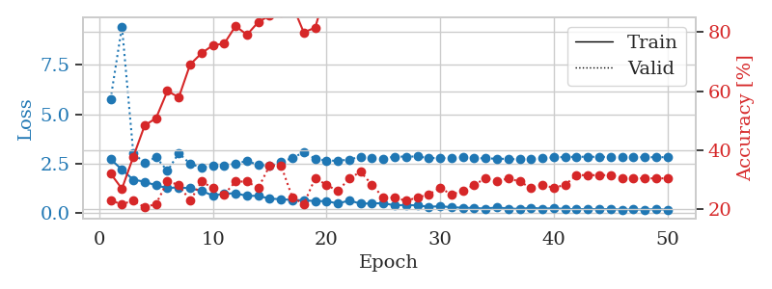
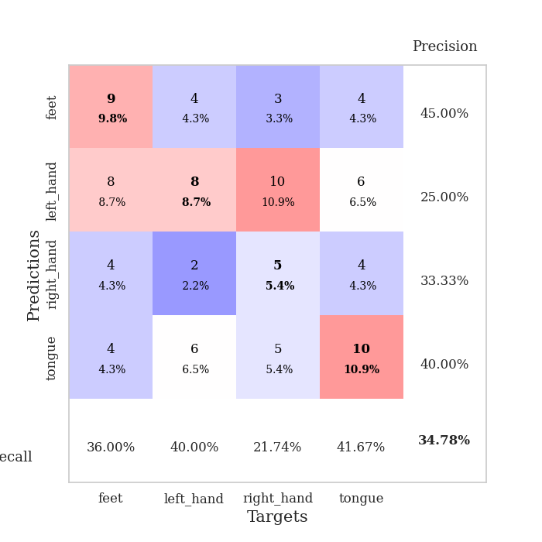
train_loss | valid_loss | train_accuracy | valid_accuracy | dur | train_misclass | valid_misclass
2.7266198874 | 5.7634693436 | 0.32065217391 | 0.22826086957 | 0.036651611328 | 32.065217391 | 22.826086957
2.198372221 | 9.4303743943 | 0.26902173913 | 0.21739130435 | 0.037238359451 | 26.902173913 | 21.739130435
1.6882025242 | 3.0106664119 | 0.3777173913 | 0.22826086957 | 0.034034252167 | 37.77173913 | 22.826086957
1.5878132343 | 2.5477559566 | 0.48369565217 | 0.20652173913 | 0.033987045288 | 48.369565217 | 20.652173913
1.3990450382 | 2.8245645917 | 0.50815217391 | 0.21739130435 | 0.034018754959 | 50.815217391 | 21.739130435
1.2700602293 | 2.1318069748 | 0.60054347826 | 0.29347826087 | 0.033844709396 | 60.054347826 | 29.347826087
1.3001826763 | 3.030060198 | 0.57880434783 | 0.28260869565 | 0.035871982574 | 57.880434783 | 28.260869565
1.2534345865 | 2.4903081189 | 0.6902173913 | 0.22826086957 | 0.035324811935 | 69.02173913 | 22.826086957
1.1267341733 | 2.3069248925 | 0.72826086957 | 0.29347826087 | 0.033417463303 | 72.826086957 | 29.347826087
0.88519346714 | 2.3815564176 | 0.75543478261 | 0.27173913043 | 0.034989833832 | 75.543478261 | 27.173913043
0.97813509703 | 2.3851136125 | 0.76086956522 | 0.25 | 0.03524851799 | 76.086956522 | 25
1.005539 | 2.5046391798 | 0.82065217391 | 0.29347826087 | 0.035240888596 | 82.065217391 | 29.347826087
0.86933090687 | 2.6319360422 | 0.79076086957 | 0.29347826087 | 0.035196781158 | 79.076086957 | 29.347826087
0.8762231946 | 2.4382062166 | 0.83423913043 | 0.27173913043 | 0.035525083542 | 83.423913043 | 27.173913043
0.72876930237 | 2.3904797305 | 0.85597826087 | 0.34782608696 | 0.035732030869 | 85.597826087 | 34.782608696
0.70601953268 | 2.5738943349 | 0.86684782609 | 0.34782608696 | 0.035734891891 | 86.684782609 | 34.782608696
0.66180645227 | 2.7883713245 | 0.89130434783 | 0.23913043478 | 0.035521507263 | 89.130434783 | 23.913043478
0.65269681811 | 3.0746239683 | 0.79891304348 | 0.21739130435 | 0.035619020462 | 79.891304348 | 21.739130435
0.60688932538 | 2.7429672635 | 0.8152173913 | 0.30434782609 | 0.035826683044 | 81.52173913 | 30.434782609
0.60887286663 | 2.650250155 | 0.94293478261 | 0.28260869565 | 0.035787582397 | 94.293478261 | 28.260869565
0.48198959231 | 2.6489813224 | 0.9402173913 | 0.26086956522 | 0.034961462021 | 94.02173913 | 26.086956522
0.63863781691 | 2.704841054 | 0.94836956522 | 0.30434782609 | 0.035815238953 | 94.836956522 | 30.434782609
0.47807708383 | 2.8534692474 | 0.9402173913 | 0.32608695652 | 0.035917043686 | 94.02173913 | 32.608695652
0.49232859612 | 2.8083945565 | 0.94836956522 | 0.28260869565 | 0.035976648331 | 94.836956522 | 28.260869565
0.49987353086 | 2.755065721 | 0.96195652174 | 0.23913043478 | 0.034899711609 | 96.195652174 | 23.913043478
0.39325346947 | 2.8573196867 | 0.95652173913 | 0.23913043478 | 0.034163236618 | 95.652173913 | 23.913043478
0.41102100611 | 2.8543032563 | 0.98097826087 | 0.22826086957 | 0.033982992172 | 98.097826087 | 22.826086957
0.38986244798 | 2.8629093067 | 0.99184782609 | 0.23913043478 | 0.034041166306 | 99.184782609 | 23.913043478
0.31877561212 | 2.7852674775 | 0.9972826087 | 0.25 | 0.036215305328 | 99.72826087 | 25
0.35004379749 | 2.7807761586 | 0.98641304348 | 0.27173913043 | 0.033729791641 | 98.641304348 | 27.173913043
0.29777642488 | 2.8013719994 | 0.99184782609 | 0.25 | 0.034631729126 | 99.184782609 | 25
0.27097911537 | 2.8204848766 | 1 | 0.26086956522 | 0.034430742264 | 100 | 26.086956522
0.26028597951 | 2.79277447 | 1 | 0.28260869565 | 0.034473419189 | 100 | 28.260869565
0.22748624682 | 2.7617673252 | 1 | 0.30434782609 | 0.034673452377 | 100 | 30.434782609
0.28915608823 | 2.753835533 | 0.9972826087 | 0.29347826087 | 0.034887075424 | 99.72826087 | 29.347826087
0.22960870564 | 2.7374338274 | 1 | 0.30434782609 | 0.034822702408 | 100 | 30.434782609
0.21451452971 | 2.7160486968 | 1 | 0.29347826087 | 0.034665346146 | 100 | 29.347826087
0.26767948866 | 2.7386114079 | 1 | 0.27173913043 | 0.035622119904 | 100 | 27.173913043
0.22759197205 | 2.772603771 | 1 | 0.28260869565 | 0.034777879715 | 100 | 28.260869565
0.24787617326 | 2.8172063724 | 1 | 0.27173913043 | 0.034764289856 | 100 | 27.173913043
0.21137211025 | 2.8343092566 | 1 | 0.28260869565 | 0.035159826279 | 100 | 28.260869565
0.19319745898 | 2.8456534303 | 1 | 0.3152173913 | 0.036463499069 | 100 | 31.52173913
0.21259008944 | 2.8474308201 | 1 | 0.3152173913 | 0.033838748932 | 100 | 31.52173913
0.19377419651 | 2.8427748784 | 1 | 0.3152173913 | 0.033860445023 | 100 | 31.52173913
0.20732601583 | 2.8385612654 | 1 | 0.3152173913 | 0.034520149231 | 100 | 31.52173913
0.17760964632 | 2.8305175823 | 1 | 0.30434782609 | 0.035574913025 | 100 | 30.434782609
0.18416047692 | 2.8274521413 | 1 | 0.30434782609 | 0.035718202591 | 100 | 30.434782609
0.1790856868 | 2.8266548385 | 1 | 0.30434782609 | 0.034878730774 | 100 | 30.434782609
0.20472990125 | 2.8256895853 | 1 | 0.30434782609 | 0.035667657852 | 100 | 30.434782609
0.16997110844 | 2.8262825945 | 1 | 0.30434782609 | 0.035957336426 | 100 | 30.434782609

Best Val accuracy is 0.34782608695652173 and Best test accuracy is 0.29310344827586204

Sheet8
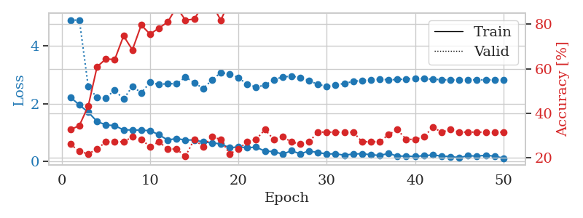
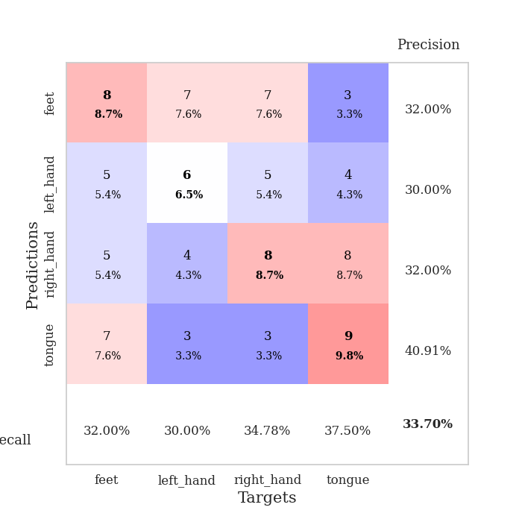
train_loss | valid_loss | train_accuracy | valid_accuracy | dur | train_misclass | valid_misclass
2.2188230038 | 4.8984793995 | 0.32608695652 | 0.26086956522 | 0.037407398224 | 32.608695652 | 26.086956522
1.9553892374 | 4.8911870873 | 0.34510869565 | 0.22826086957 | 0.035630941391 | 34.510869565 | 22.826086957
1.7044000387 | 2.592030235 | 0.43206521739 | 0.21739130435 | 0.034061193466 | 43.206521739 | 21.739130435
1.3837240458 | 2.2057020042 | 0.60869565217 | 0.23913043478 | 0.034317016602 | 60.869565217 | 23.913043478
1.2627505064 | 2.2028597438 | 0.64402173913 | 0.27173913043 | 0.034178733826 | 64.402173913 | 27.173913043
1.2398033857 | 2.46802471 | 0.64130434783 | 0.27173913043 | 0.034505367279 | 64.130434783 | 27.173913043
1.0899184942 | 2.1553954767 | 0.7472826087 | 0.27173913043 | 0.034134149551 | 74.72826087 | 27.173913043
1.0899273634 | 2.6024475927 | 0.6847826087 | 0.29347826087 | 0.03458070755 | 68.47826087 | 29.347826087
1.0775844097 | 2.3753852844 | 0.79619565217 | 0.28260869565 | 0.035226345062 | 79.619565217 | 28.260869565
1.0675361156 | 2.7341146884 | 0.75543478261 | 0.25 | 0.035350084305 | 75.543478261 | 25
0.92150987387 | 2.6627511667 | 0.78260869565 | 0.27173913043 | 0.034133911133 | 78.260869565 | 27.173913043
0.74047743082 | 2.6961160639 | 0.8097826087 | 0.23913043478 | 0.034073352814 | 80.97826087 | 23.913043478
0.79225820303 | 2.6856692148 | 0.8777173913 | 0.23913043478 | 0.034179925919 | 87.77173913 | 23.913043478
0.73871638775 | 2.921618472 | 0.81793478261 | 0.20652173913 | 0.034466266632 | 81.793478261 | 20.652173913
0.74347287416 | 2.7280852276 | 0.82336956522 | 0.28260869565 | 0.035406351089 | 82.336956522 | 28.260869565
0.67263566256 | 2.526531489 | 0.88586956522 | 0.25 | 0.035472393036 | 88.586956522 | 25
0.64137690663 | 2.8146470111 | 0.89130434783 | 0.29347826087 | 0.035245418549 | 89.130434783 | 29.347826087
0.60669783354 | 3.0770921189 | 0.81793478261 | 0.28260869565 | 0.034056425095 | 81.793478261 | 28.260869565
0.47125067711 | 3.0292078412 | 0.90217391304 | 0.21739130435 | 0.034180164337 | 90.217391304 | 21.739130435
0.50318007469 | 2.9055228233 | 0.92663043478 | 0.23913043478 | 0.034156322479 | 92.663043478 | 23.913043478
0.47333930135 | 2.6632729302 | 0.95108695652 | 0.27173913043 | 0.033975601196 | 95.108695652 | 27.173913043
0.49362146258 | 2.5795627366 | 0.97010869565 | 0.28260869565 | 0.03403711319 | 97.010869565 | 28.260869565
0.35588887334 | 2.6357472461 | 0.97554347826 | 0.32608695652 | 0.034368276596 | 97.554347826 | 32.608695652
0.34116410613 | 2.8313986944 | 0.98641304348 | 0.28260869565 | 0.037806749344 | 98.641304348 | 28.260869565
0.25250000358 | 2.9227517999 | 0.98097826087 | 0.29347826087 | 0.034455299377 | 98.097826087 | 29.347826087
0.36792751551 | 2.9522023616 | 0.97010869565 | 0.27173913043 | 0.035571575165 | 97.010869565 | 27.173913043
0.26178009808 | 2.9095328683 | 0.98097826087 | 0.26086956522 | 0.034708738327 | 98.097826087 | 26.086956522
0.36137813926 | 2.7935855181 | 0.99456521739 | 0.27173913043 | 0.035570144653 | 99.456521739 | 27.173913043
0.30629592836 | 2.6672977054 | 0.9972826087 | 0.3152173913 | 0.035366773605 | 99.72826087 | 31.52173913
0.25784549415 | 2.601470232 | 0.99184782609 | 0.3152173913 | 0.035555362701 | 99.184782609 | 31.52173913
0.26154225469 | 2.647688026 | 0.98369565217 | 0.3152173913 | 0.035550832748 | 98.369565217 | 31.52173913
0.21560636163 | 2.7008924588 | 0.99456521739 | 0.3152173913 | 0.034044265747 | 99.456521739 | 31.52173913
0.25673694015 | 2.7702322214 | 0.99456521739 | 0.3152173913 | 0.03556728363 | 99.456521739 | 31.52173913
0.26607946455 | 2.8035614283 | 1 | 0.27173913043 | 0.035495281219 | 100 | 27.173913043
0.23015888333 | 2.8219679646 | 1 | 0.27173913043 | 0.035234689713 | 100 | 27.173913043
0.20789162517 | 2.8489338211 | 1 | 0.27173913043 | 0.034534215927 | 100 | 27.173913043
0.27440208197 | 2.827170061 | 1 | 0.30434782609 | 0.034183740616 | 100 | 30.434782609
0.18366817534 | 2.8346680351 | 1 | 0.32608695652 | 0.034181118011 | 100 | 32.608695652
0.18397775441 | 2.8537902521 | 0.9972826087 | 0.28260869565 | 0.034400224686 | 99.72826087 | 28.260869565
0.16810533851 | 2.8723139763 | 0.9972826087 | 0.28260869565 | 0.041638374329 | 99.72826087 | 28.260869565
0.20026264787 | 2.8628617059 | 0.9972826087 | 0.29347826087 | 0.036271095276 | 99.72826087 | 29.347826087
0.22211386263 | 2.847700627 | 1 | 0.33695652174 | 0.040364265442 | 100 | 33.695652174
0.18551171422 | 2.830238674 | 1 | 0.3152173913 | 0.039859771729 | 100 | 31.52173913
0.16501633227 | 2.8214094017 | 1 | 0.32608695652 | 0.036106109619 | 100 | 32.608695652
0.13242990971 | 2.8203827091 | 1 | 0.3152173913 | 0.035330057144 | 100 | 31.52173913
0.19371526241 | 2.8233701975 | 1 | 0.3152173913 | 0.03491973877 | 100 | 31.52173913
0.18580344319 | 2.825369327 | 1 | 0.3152173913 | 0.034930944443 | 100 | 31.52173913
0.20993593335 | 2.8253913237 | 1 | 0.3152173913 | 0.036448478699 | 100 | 31.52173913
0.18328174502 | 2.825376946 | 1 | 0.3152173913 | 0.036348342896 | 100 | 31.52173913
0.10968381315 | 2.8254406763 | 1 | 0.3152173913 | 0.035394906998 | 100 | 31.52173913

Best Val accuracy is 0.33695652173913043 and Best test accuracy is 0.29310344827586204

Sheet9
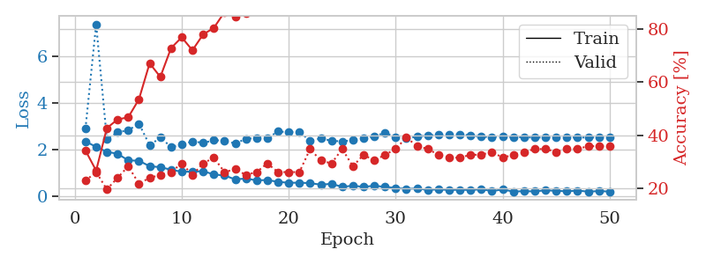
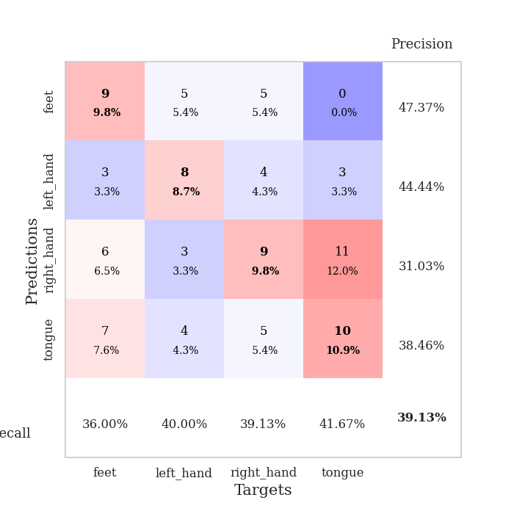
train_loss | valid_loss | train_accuracy | valid_accuracy | dur | train_misclass | valid_misclass
2.3426060915 | 2.8841321883 | 0.34239130435 | 0.22826086957 | 0.035902023315 | 34.239130435 | 22.826086957
2.1063050985 | 7.3695781542 | 0.26630434783 | 0.26086956522 | 0.036525964737 | 26.630434783 | 26.086956522
1.8952650785 | 2.4388875754 | 0.42663043478 | 0.19565217391 | 0.033123016357 | 42.663043478 | 19.565217391
1.8128013849 | 2.7348801157 | 0.45923913043 | 0.23913043478 | 0.032496213913 | 45.923913043 | 23.913043478
1.5282371521 | 2.8171230814 | 0.46739130435 | 0.28260869565 | 0.032433271408 | 46.739130435 | 28.260869565
1.5110472918 | 3.102114439 | 0.53532608696 | 0.21739130435 | 0.032766342163 | 53.532608696 | 21.739130435
1.2771299601 | 2.1776981872 | 0.67119565217 | 0.23913043478 | 0.036392450333 | 67.119565217 | 23.913043478
1.2359408855 | 2.5020860485 | 0.61956521739 | 0.25 | 0.033475399017 | 61.956521739 | 25
1.1271716714 | 2.11127106 | 0.72826086957 | 0.26086956522 | 0.03494143486 | 72.826086957 | 26.086956522
1.0393567085 | 2.199907759 | 0.76902173913 | 0.29347826087 | 0.036021232605 | 76.902173913 | 29.347826087
1.0450063944 | 2.3465138104 | 0.72010869565 | 0.25 | 0.034097194672 | 72.010869565 | 25
1.0646932602 | 2.2784293735 | 0.77989130435 | 0.29347826087 | 0.034640789032 | 77.989130435 | 29.347826087
0.92363690138 | 2.3868751837 | 0.80434782609 | 0.3152173913 | 0.034646987915 | 80.434782609 | 31.52173913
0.87887988091 | 2.3779905775 | 0.86413043478 | 0.26086956522 | 0.033761501312 | 86.413043478 | 26.086956522
0.71147741079 | 2.2494936093 | 0.84510869565 | 0.27173913043 | 0.033247709274 | 84.510869565 | 27.173913043
0.74860450029 | 2.4516201123 | 0.85869565217 | 0.25 | 0.033149957657 | 85.869565217 | 25
0.66998593807 | 2.486104478 | 0.88586956522 | 0.26086956522 | 0.033205509186 | 88.586956522 | 26.086956522
0.68564661741 | 2.4789036253 | 0.8777173913 | 0.29347826087 | 0.033254146576 | 87.77173913 | 29.347826087
0.606552279 | 2.7677386222 | 0.90760869565 | 0.26086956522 | 0.033301591873 | 90.760869565 | 26.086956522
0.56739330292 | 2.7363703666 | 0.90760869565 | 0.26086956522 | 0.035025835037 | 90.760869565 | 26.086956522
0.56947439909 | 2.7545209138 | 0.88858695652 | 0.26086956522 | 0.034862041473 | 88.858695652 | 26.086956522
0.55212349892 | 2.3654205384 | 0.94565217391 | 0.34782608696 | 0.034941196442 | 94.565217391 | 34.782608696
0.4845531106 | 2.4685900626 | 0.95380434783 | 0.30434782609 | 0.036318778992 | 95.380434783 | 30.434782609
0.52276355028 | 2.3696223031 | 0.98641304348 | 0.29347826087 | 0.034626483917 | 98.641304348 | 29.347826087
0.3905857861 | 2.3407542395 | 0.95652173913 | 0.34782608696 | 0.034282684326 | 95.652173913 | 34.782608696
0.44231678247 | 2.3979811565 | 0.96195652174 | 0.28260869565 | 0.033984661102 | 96.195652174 | 28.260869565
0.39019225836 | 2.4659548946 | 0.96467391304 | 0.32608695652 | 0.034132480621 | 96.467391304 | 32.608695652
0.43989192843 | 2.564656693 | 0.98097826087 | 0.30434782609 | 0.034292221069 | 98.097826087 | 30.434782609
0.3904312253 | 2.7089996338 | 0.96467391304 | 0.32608695652 | 0.034426212311 | 96.467391304 | 32.608695652
0.34389879405 | 2.5309709881 | 0.98641304348 | 0.34782608696 | 0.034307956696 | 98.641304348 | 34.782608696
0.30283459425 | 2.4688208311 | 0.98369565217 | 0.39130434783 | 0.03441286087 | 98.369565217 | 39.130434783
0.32237105668 | 2.545126179 | 0.99184782609 | 0.35869565217 | 0.035645484924 | 99.184782609 | 35.869565217
0.25812211037 | 2.6003277198 | 0.99184782609 | 0.34782608696 | 0.03548169136 | 99.184782609 | 34.782608696
0.28645911813 | 2.6144670922 | 0.99456521739 | 0.32608695652 | 0.034766435623 | 99.456521739 | 32.608695652
0.25421650708 | 2.6331382523 | 0.9972826087 | 0.3152173913 | 0.03440785408 | 99.72826087 | 31.52173913
0.26980733871 | 2.6434332288 | 0.98913043478 | 0.3152173913 | 0.034321308136 | 98.913043478 | 31.52173913
0.2525167048 | 2.5998078429 | 0.9972826087 | 0.32608695652 | 0.034419298172 | 99.72826087 | 32.608695652
0.28969353735 | 2.5399558233 | 0.9972826087 | 0.32608695652 | 0.034235715866 | 99.72826087 | 32.608695652
0.21223507822 | 2.5314389208 | 0.9972826087 | 0.33695652174 | 0.034273862839 | 99.72826087 | 33.695652174
0.27783607244 | 2.5395673876 | 0.9972826087 | 0.3152173913 | 0.034591674805 | 99.72826087 | 31.52173913
0.19093651474 | 2.5223559815 | 0.9972826087 | 0.32608695652 | 0.035089015961 | 99.72826087 | 32.608695652
0.20587937534 | 2.5204719253 | 0.9972826087 | 0.33695652174 | 0.03528547287 | 99.72826087 | 33.695652174
0.19685621709 | 2.5075347527 | 0.9972826087 | 0.34782608696 | 0.035401105881 | 99.72826087 | 34.782608696
0.24441059232 | 2.5098456714 | 0.9972826087 | 0.34782608696 | 0.035265445709 | 99.72826087 | 34.782608696
0.22304957807 | 2.5099153622 | 0.9972826087 | 0.33695652174 | 0.03523850441 | 99.72826087 | 33.695652174
0.20108270049 | 2.5104899717 | 0.9972826087 | 0.34782608696 | 0.03534245491 | 99.72826087 | 34.782608696
0.23213573992 | 2.5100675355 | 0.9972826087 | 0.34782608696 | 0.035194635391 | 99.72826087 | 34.782608696
0.18743464947 | 2.5090588901 | 0.9972826087 | 0.35869565217 | 0.034120321274 | 99.72826087 | 35.869565217
0.21014793068 | 2.5080037428 | 0.9972826087 | 0.35869565217 | 0.034738063812 | 99.72826087 | 35.869565217
0.19154210091 | 2.5090615335 | 0.9972826087 | 0.35869565217 | 0.034956455231 | 99.72826087 | 35.869565217

Best Val accuracy is 0.391304347826087 and Best test accuracy is 0.3103448275862069

Sheet10
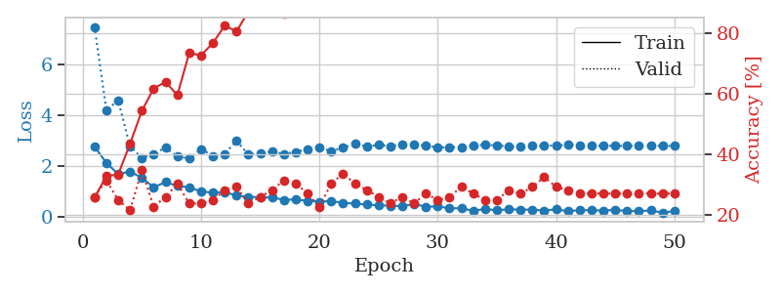
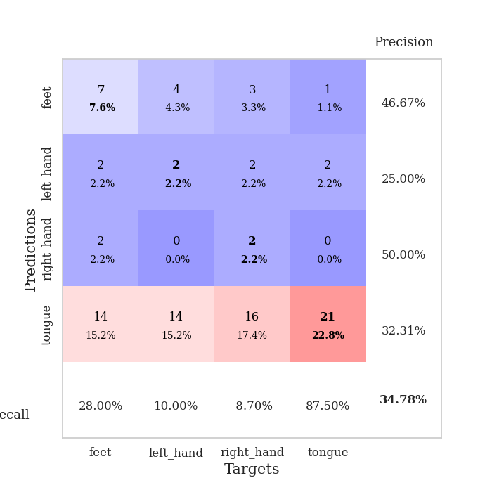
train_loss | valid_loss | train_accuracy | valid_accuracy | dur | train_misclass | valid_misclass
2.7635179281 | 7.4958975211 | 0.25815217391 | 0.26086956522 | 0.03530049324 | 25.815217391 | 26.086956522
2.1206352234 | 4.2043098574 | 0.32880434783 | 0.3152173913 | 0.035344600677 | 32.880434783 | 31.52173913
1.672685504 | 4.5930810804 | 0.33423913043 | 0.25 | 0.035371303558 | 33.423913043 | 25
1.7791104317 | 2.7662304381 | 0.4347826087 | 0.21739130435 | 0.03528213501 | 43.47826087 | 21.739130435
1.5259721756 | 2.3198907894 | 0.54347826087 | 0.34782608696 | 0.03452539444 | 54.347826087 | 34.782608696
1.1551770091 | 2.4641746645 | 0.61684782609 | 0.22826086957 | 0.035271644592 | 61.684782609 | 22.826086957
1.3583139181 | 2.7305069488 | 0.63858695652 | 0.26086956522 | 0.035129070282 | 63.858695652 | 26.086956522
1.2049686313 | 2.3704356111 | 0.59510869565 | 0.30434782609 | 0.035178422928 | 59.510869565 | 30.434782609
1.1556588054 | 2.2924104462 | 0.73369565217 | 0.23913043478 | 0.035072565079 | 73.369565217 | 23.913043478
0.98086137772 | 2.6692889359 | 0.72554347826 | 0.23913043478 | 0.035078525543 | 72.554347826 | 23.913043478
0.94974660873 | 2.3979330685 | 0.76630434783 | 0.25 | 0.035149812698 | 76.630434783 | 25
0.9624194026 | 2.4725021176 | 0.82336956522 | 0.28260869565 | 0.034297704697 | 82.336956522 | 28.260869565
0.83179745674 | 2.9885898362 | 0.80434782609 | 0.29347826087 | 0.038824796677 | 80.434782609 | 29.347826087
0.77415603399 | 2.4499435528 | 0.86956521739 | 0.23913043478 | 0.036721229553 | 86.956521739 | 23.913043478
0.76307178736 | 2.5128893334 | 0.88315217391 | 0.26086956522 | 0.035671234131 | 88.315217391 | 26.086956522
0.74614927769 | 2.5604094526 | 0.88315217391 | 0.28260869565 | 0.036166191101 | 88.315217391 | 28.260869565
0.66126440763 | 2.4746483824 | 0.86141304348 | 0.3152173913 | 0.036017656326 | 86.141304348 | 31.52173913
0.66767398119 | 2.5475929198 | 0.90489130435 | 0.30434782609 | 0.039403438568 | 90.489130435 | 30.434782609
0.6218718648 | 2.6660790443 | 0.91847826087 | 0.27173913043 | 0.037845373154 | 91.847826087 | 27.173913043
0.58319560885 | 2.732134083 | 0.92663043478 | 0.22826086957 | 0.034182786942 | 92.663043478 | 22.826086957
0.61284694076 | 2.5746927572 | 0.94836956522 | 0.30434782609 | 0.034383535385 | 94.836956522 | 30.434782609
0.53862418532 | 2.7290187815 | 0.95923913043 | 0.33695652174 | 0.033771514893 | 95.923913043 | 33.695652174
0.50929629803 | 2.8662730507 | 0.93206521739 | 0.30434782609 | 0.034196138382 | 93.206521739 | 30.434782609
0.47259784937 | 2.7595967832 | 0.95380434783 | 0.28260869565 | 0.034950971603 | 95.380434783 | 28.260869565
0.43770626783 | 2.8303893027 | 0.94836956522 | 0.26086956522 | 0.035029649734 | 94.836956522 | 26.086956522
0.4269882679 | 2.783876699 | 0.95380434783 | 0.23913043478 | 0.035086393356 | 95.380434783 | 23.913043478
0.40893521905 | 2.8558422379 | 0.95652173913 | 0.26086956522 | 0.034951448441 | 95.652173913 | 26.086956522
0.48770617247 | 2.8346073524 | 0.96467391304 | 0.23913043478 | 0.035086870193 | 96.467391304 | 23.913043478
0.38759062886 | 2.799415775 | 0.98097826087 | 0.27173913043 | 0.033378124237 | 98.097826087 | 27.173913043
0.39485827684 | 2.7255569126 | 0.98913043478 | 0.25 | 0.033369064331 | 98.913043478 | 25
0.32589079738 | 2.7439811022 | 0.98097826087 | 0.26086956522 | 0.033581256866 | 98.097826087 | 26.086956522
0.3237752378 | 2.7421260813 | 0.98369565217 | 0.29347826087 | 0.035138845444 | 98.369565217 | 29.347826087
0.22506307065 | 2.803012454 | 0.99184782609 | 0.27173913043 | 0.0350522995 | 99.184782609 | 27.173913043
0.29450215399 | 2.8284963318 | 0.99184782609 | 0.25 | 0.034600973129 | 99.184782609 | 25
0.24644917846 | 2.8136284766 | 0.99184782609 | 0.25 | 0.034900903702 | 99.184782609 | 25
0.28545276523 | 2.7677730892 | 1 | 0.28260869565 | 0.034977436066 | 100 | 28.260869565
0.26928938031 | 2.7637314174 | 1 | 0.27173913043 | 0.034992933273 | 100 | 27.173913043
0.2727170974 | 2.7894693561 | 1 | 0.29347826087 | 0.034956455231 | 100 | 29.347826087
0.23271801472 | 2.7919970906 | 1 | 0.32608695652 | 0.035006761551 | 100 | 32.608695652
0.2823253274 | 2.80497637 | 1 | 0.29347826087 | 0.034942865372 | 100 | 29.347826087
0.20852528214 | 2.8357589452 | 1 | 0.28260869565 | 0.034908056259 | 100 | 28.260869565
0.25217546821 | 2.8210123207 | 1 | 0.27173913043 | 0.034965991974 | 100 | 27.173913043
0.2440962851 | 2.802304413 | 1 | 0.27173913043 | 0.034759998322 | 100 | 27.173913043
0.23382344395 | 2.7944385694 | 1 | 0.27173913043 | 0.035046339035 | 100 | 27.173913043
0.25757054389 | 2.7909516977 | 1 | 0.27173913043 | 0.035093545914 | 100 | 27.173913043
0.21626436859 | 2.7917184519 | 1 | 0.27173913043 | 0.03502368927 | 100 | 27.173913043
0.21051595211 | 2.7911882815 | 1 | 0.27173913043 | 0.034947156906 | 100 | 27.173913043
0.23814545274 | 2.7911946981 | 1 | 0.27173913043 | 0.03492474556 | 100 | 27.173913043
0.15085337758 | 2.7902713444 | 1 | 0.27173913043 | 0.035081624985 | 100 | 27.173913043
0.21647169739 | 2.7901730952 | 1 | 0.27173913043 | 0.035023212433 | 100 | 27.173913043

Best Val accuracy is 0.34782608695652173 and Best test accuracy is 0.25

