Sheet
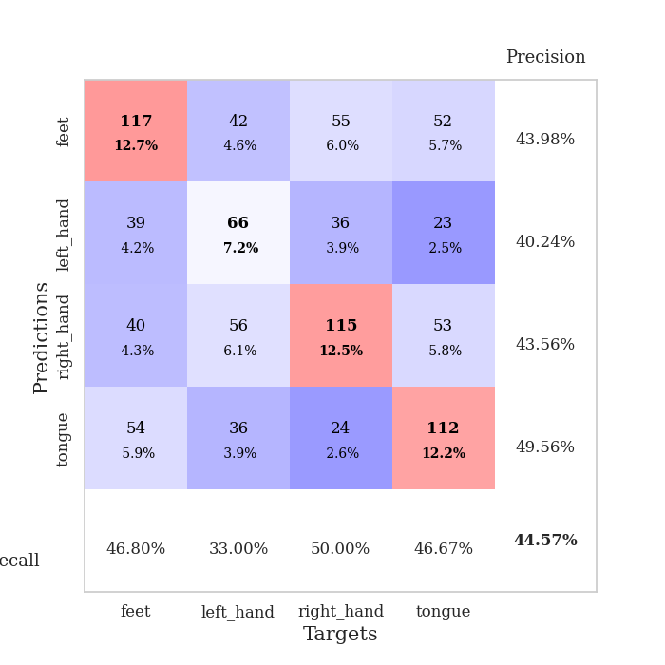
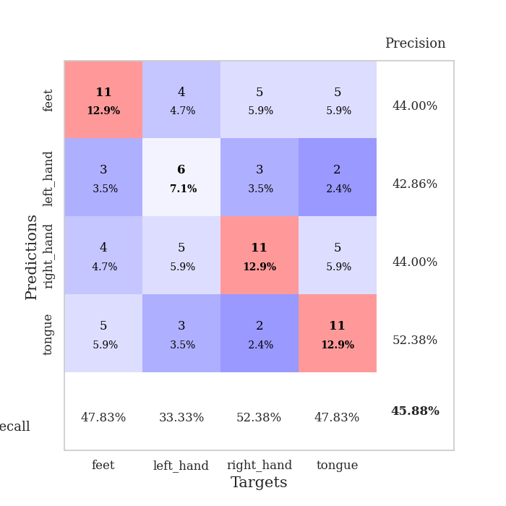
best_val_acc | best_val_los | best_test_acc
0.45652173913 | 1.9139260779 | 0.33620689655
0.42391304348 | 2.1848995686 | 0.35344827586
0.40217391304 | 1.9833985619 | 0.30172413793
0.46739130435 | 1.8193157548 | 0.34482758621
0.44565217391 | 1.9134362159 | 0.39655172414
0.46739130435 | 2.0101344171 | 0.36206896552
0.45652173913 | 2.1376671687 | 0.36206896552
0.46739130435 | 1.9041536476 | 0.36206896552
0.4347826087 | 2.0564435306 | 0.35344827586
0.4347826087 | 1.8620166519 | 0.39655172414

Mean,std Val accuracy is 0.44565217391304346 , 0.021739130434782615 and mean, std test accuracy is 0.3568965517241379 , 0.02762210308206418

Sheet1
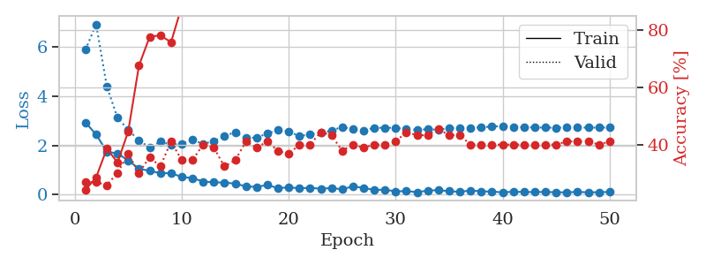
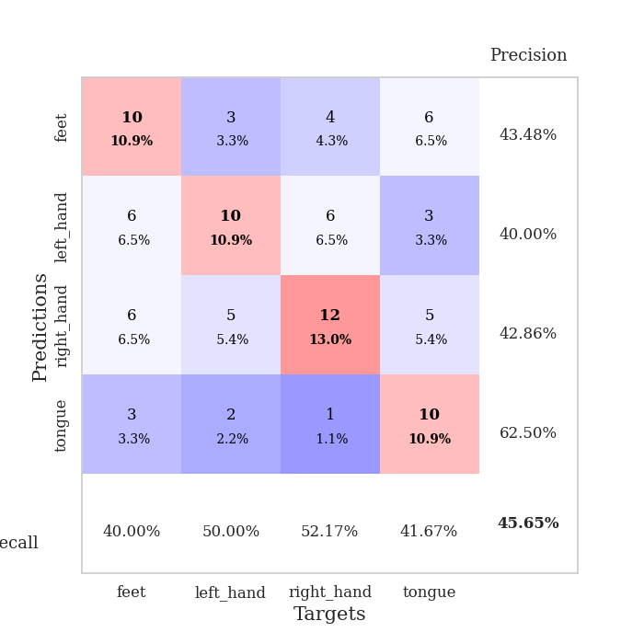
train_loss | valid_loss | train_accuracy | valid_accuracy | dur | train_misclass | valid_misclass
2.9308817625 | 5.8708517033 | 0.24456521739 | 0.27173913043 | 0.034883260727 | 24.456521739 | 27.173913043
2.4374447107 | 6.9060327074 | 0.28804347826 | 0.27173913043 | 0.03364443779 | 28.804347826 | 27.173913043
1.747802043 | 4.3830943108 | 0.38858695652 | 0.26086956522 | 0.033518075943 | 38.858695652 | 26.086956522
1.6660006523 | 3.1155574425 | 0.33967391304 | 0.30434782609 | 0.033563137054 | 33.967391304 | 30.434782609
1.3883363008 | 2.6314027206 | 0.44836956522 | 0.36956521739 | 0.035446405411 | 44.836956522 | 36.956521739
1.0506966114 | 2.1956687803 | 0.67663043478 | 0.30434782609 | 0.035410642624 | 67.663043478 | 30.434782609
0.96781309843 | 1.9139260779 | 0.77717391304 | 0.35869565217 | 0.035192489624 | 77.717391304 | 35.869565217
0.87079224586 | 2.1493997263 | 0.78260869565 | 0.32608695652 | 0.035148382187 | 78.260869565 | 32.608695652
0.8712076664 | 2.0290959814 | 0.75815217391 | 0.41304347826 | 0.035598039627 | 75.815217391 | 41.304347826
0.72021926641 | 2.0611284505 | 0.88315217391 | 0.34782608696 | 0.035336971283 | 88.315217391 | 34.782608696
0.67412950993 | 2.237366101 | 0.88586956522 | 0.34782608696 | 0.035191774368 | 88.586956522 | 34.782608696
0.53273264766 | 2.0506655237 | 0.90489130435 | 0.40217391304 | 0.035177946091 | 90.489130435 | 40.217391304
0.50237473249 | 2.1792028158 | 0.9347826087 | 0.39130434783 | 0.035143852234 | 93.47826087 | 39.130434783
0.48965407014 | 2.3706227282 | 0.96739130435 | 0.32608695652 | 0.035036563873 | 96.739130435 | 32.608695652
0.44904274344 | 2.5373728172 | 0.96195652174 | 0.34782608696 | 0.034848690033 | 96.195652174 | 34.782608696
0.33471012115 | 2.2957812081 | 0.94565217391 | 0.41304347826 | 0.035061120987 | 94.565217391 | 41.304347826
0.31713392735 | 2.3137625611 | 0.97282608696 | 0.39130434783 | 0.035038471222 | 97.282608696 | 39.130434783
0.39286593199 | 2.4788821366 | 0.98097826087 | 0.41304347826 | 0.03519153595 | 98.097826087 | 41.304347826
0.26591424644 | 2.630387441 | 0.96739130435 | 0.38043478261 | 0.034896373749 | 96.739130435 | 38.043478261
0.29686298072 | 2.5671345358 | 0.98097826087 | 0.36956521739 | 0.034999608994 | 98.097826087 | 36.956521739
0.26146172285 | 2.3687626279 | 0.98641304348 | 0.40217391304 | 0.035001516342 | 98.641304348 | 40.217391304
0.27865575254 | 2.4493985591 | 0.9972826087 | 0.40217391304 | 0.034950733185 | 99.72826087 | 40.217391304
0.24186468422 | 2.5044443296 | 0.99456521739 | 0.44565217391 | 0.035011291504 | 99.456521739 | 44.565217391
0.26864288002 | 2.5957197314 | 0.99184782609 | 0.4347826087 | 0.035336971283 | 99.184782609 | 43.47826087
0.21861312687 | 2.7480736608 | 0.99184782609 | 0.38043478261 | 0.036993741989 | 99.184782609 | 38.043478261
0.33795497417 | 2.6483026587 | 0.99184782609 | 0.40217391304 | 0.034936189651 | 99.184782609 | 40.217391304
0.27589778304 | 2.6000194653 | 1 | 0.39130434783 | 0.035097360611 | 100 | 39.130434783
0.19172252715 | 2.7092307029 | 1 | 0.40217391304 | 0.034653902054 | 100 | 40.217391304
0.20337270796 | 2.7125614311 | 0.9972826087 | 0.40217391304 | 0.03494644165 | 99.72826087 | 40.217391304
0.13383677304 | 2.7077543839 | 1 | 0.41304347826 | 0.034977197647 | 100 | 41.304347826
0.14654074758 | 2.6565396578 | 1 | 0.44565217391 | 0.034977436066 | 100 | 44.565217391
0.10222411305 | 2.6345793061 | 1 | 0.4347826087 | 0.034976959229 | 100 | 43.47826087
0.16452991217 | 2.649866384 | 1 | 0.4347826087 | 0.034966945648 | 100 | 43.47826087
0.18582448214 | 2.6347539632 | 1 | 0.45652173913 | 0.034893035889 | 100 | 45.652173913
0.14035118818 | 2.6978246958 | 1 | 0.4347826087 | 0.035268545151 | 100 | 43.47826087
0.11668846905 | 2.7049755428 | 1 | 0.4347826087 | 0.035041093826 | 100 | 43.47826087
0.17137862146 | 2.7063430911 | 1 | 0.40217391304 | 0.034890651703 | 100 | 40.217391304
0.13611671925 | 2.7258826339 | 1 | 0.40217391304 | 0.034929037094 | 100 | 40.217391304
0.12553192079 | 2.7654502081 | 1 | 0.40217391304 | 0.034936189651 | 100 | 40.217391304
0.095005241036 | 2.7732168281 | 1 | 0.40217391304 | 0.034976959229 | 100 | 40.217391304
0.12042705864 | 2.7517733885 | 1 | 0.40217391304 | 0.03499007225 | 100 | 40.217391304
0.10764591694 | 2.7314026874 | 1 | 0.40217391304 | 0.03493976593 | 100 | 40.217391304
0.10683556721 | 2.7230484175 | 1 | 0.40217391304 | 0.035275936127 | 100 | 40.217391304
0.11083666235 | 2.7192345598 | 1 | 0.40217391304 | 0.03506398201 | 100 | 40.217391304
0.098206794262 | 2.7164029142 | 1 | 0.40217391304 | 0.034891366959 | 100 | 40.217391304
0.095430755615 | 2.7200860666 | 1 | 0.41304347826 | 0.034884691238 | 100 | 41.304347826
0.11310965568 | 2.719222131 | 1 | 0.41304347826 | 0.034928560257 | 100 | 41.304347826
0.095996003598 | 2.719082936 | 1 | 0.41304347826 | 0.035009622574 | 100 | 41.304347826
0.1003783986 | 2.718834224 | 1 | 0.40217391304 | 0.035170316696 | 100 | 40.217391304
0.11072799563 | 2.7200694084 | 1 | 0.41304347826 | 0.034969329834 | 100 | 41.304347826

Best Val accuracy is 0.45652173913043476 and Best test accuracy is 0.33620689655172414

Sheet2
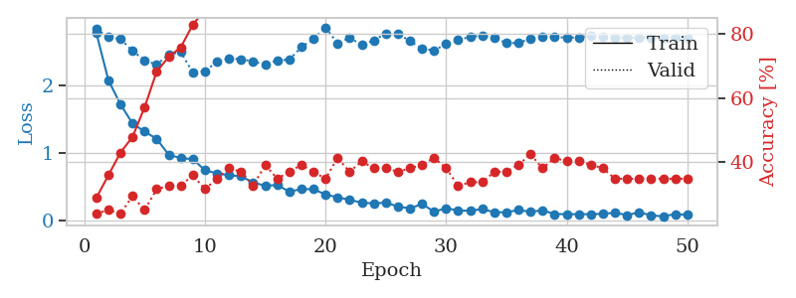
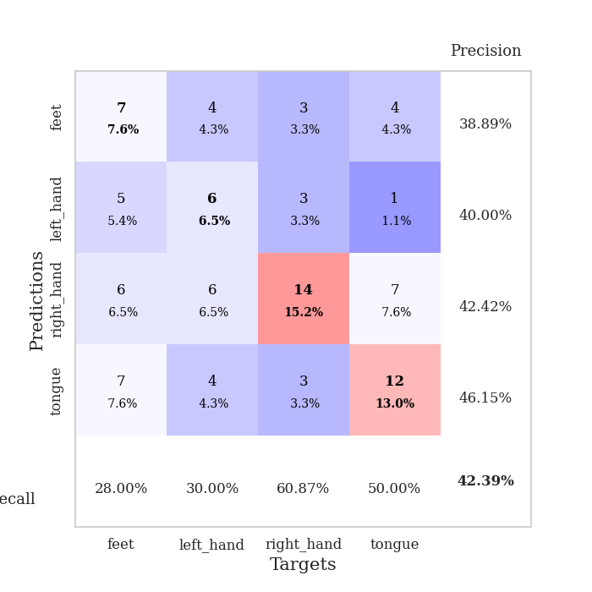
train_loss | valid_loss | train_accuracy | valid_accuracy | dur | train_misclass | valid_misclass
2.7688716412 | 2.8310821886 | 0.28804347826 | 0.23913043478 | 0.034414291382 | 28.804347826 | 23.913043478
2.0708737135 | 2.7060630943 | 0.35869565217 | 0.25 | 0.033181190491 | 35.869565217 | 25
1.7136830568 | 2.680057422 | 0.42934782609 | 0.23913043478 | 0.033276796341 | 42.934782609 | 23.913043478
1.4320888519 | 2.5031021678 | 0.47826086957 | 0.29347826087 | 0.035317897797 | 47.826086957 | 29.347826087
1.3105869293 | 2.3659833203 | 0.57065217391 | 0.25 | 0.034722805023 | 57.065217391 | 25
1.204391706 | 2.2989008582 | 0.68206521739 | 0.3152173913 | 0.034352302551 | 68.206521739 | 31.52173913
0.96926019192 | 2.4513125212 | 0.72826086957 | 0.32608695652 | 0.034541368484 | 72.826086957 | 32.608695652
0.91871572733 | 2.4859928981 | 0.75815217391 | 0.32608695652 | 0.034661531448 | 75.815217391 | 32.608695652
0.90377483368 | 2.1848995686 | 0.82880434783 | 0.35869565217 | 0.034715890884 | 82.880434783 | 35.869565217
0.74069478512 | 2.2049171614 | 0.875 | 0.3152173913 | 0.034858942032 | 87.5 | 31.52173913
0.69272224903 | 2.3431256491 | 0.89402173913 | 0.34782608696 | 0.034884691238 | 89.402173913 | 34.782608696
0.66639657617 | 2.3914420086 | 0.88586956522 | 0.38043478261 | 0.032880783081 | 88.586956522 | 38.043478261
0.65076333284 | 2.3811124822 | 0.90489130435 | 0.36956521739 | 0.036192417145 | 90.489130435 | 36.956521739
0.55671146512 | 2.347111505 | 0.91304347826 | 0.32608695652 | 0.03436756134 | 91.304347826 | 32.608695652
0.512243402 | 2.3010746396 | 0.91576086957 | 0.39130434783 | 0.034475564957 | 91.576086957 | 39.130434783
0.51946294308 | 2.3637884078 | 0.9347826087 | 0.34782608696 | 0.034251689911 | 93.47826087 | 34.782608696
0.42435864806 | 2.3751531062 | 0.95652173913 | 0.36956521739 | 0.034268379211 | 95.652173913 | 36.956521739
0.46043827534 | 2.5600275579 | 0.96739130435 | 0.39130434783 | 0.034913539886 | 96.739130435 | 39.130434783
0.46009078622 | 2.6792731389 | 0.97282608696 | 0.36956521739 | 0.035137891769 | 97.282608696 | 36.956521739
0.38032913804 | 2.8522252726 | 0.9402173913 | 0.34782608696 | 0.034953117371 | 94.02173913 | 34.782608696
0.33986111879 | 2.6146859915 | 0.98641304348 | 0.41304347826 | 0.035035610199 | 98.641304348 | 41.304347826
0.30307832658 | 2.6981355211 | 0.98913043478 | 0.36956521739 | 0.035338878632 | 98.913043478 | 36.956521739
0.2599814862 | 2.5922239449 | 0.99456521739 | 0.40217391304 | 0.035128355026 | 99.456521739 | 40.217391304
0.24981710017 | 2.658552657 | 0.99184782609 | 0.38043478261 | 0.035036563873 | 99.184782609 | 38.043478261
0.26095049381 | 2.7624619214 | 0.9972826087 | 0.38043478261 | 0.035159111023 | 99.72826087 | 38.043478261
0.20325934589 | 2.759264013 | 1 | 0.36956521739 | 0.035075902939 | 100 | 36.956521739
0.17631073892 | 2.6489015766 | 0.99456521739 | 0.38043478261 | 0.034921169281 | 99.456521739 | 38.043478261
0.2407863304 | 2.5357262881 | 0.9972826087 | 0.39130434783 | 0.035114049911 | 99.72826087 | 39.130434783
0.12698773816 | 2.5113048242 | 0.9972826087 | 0.41304347826 | 0.035004138947 | 99.72826087 | 41.304347826
0.17869687974 | 2.6054818216 | 0.9972826087 | 0.38043478261 | 0.035296678543 | 99.72826087 | 38.043478261
0.14472804368 | 2.6625253221 | 0.9972826087 | 0.32608695652 | 0.035017251968 | 99.72826087 | 32.608695652
0.14017913342 | 2.7140074502 | 1 | 0.33695652174 | 0.035027265549 | 100 | 33.695652174
0.16781254262 | 2.728534118 | 1 | 0.33695652174 | 0.034982442856 | 100 | 33.695652174
0.11696343422 | 2.6933655324 | 0.9972826087 | 0.36956521739 | 0.0350253582 | 99.72826087 | 36.956521739
0.11902308613 | 2.6207877553 | 0.9972826087 | 0.36956521739 | 0.035006999969 | 99.72826087 | 36.956521739
0.15188594759 | 2.6195085878 | 1 | 0.39130434783 | 0.035000562668 | 100 | 39.130434783
0.1250782609 | 2.6876840695 | 1 | 0.42391304348 | 0.034989833832 | 100 | 42.391304348
0.14736308455 | 2.7069400497 | 1 | 0.38043478261 | 0.035116672516 | 100 | 38.043478261
0.091036900133 | 2.7108517315 | 1 | 0.41304347826 | 0.035089015961 | 100 | 41.304347826
0.091317612678 | 2.6997797696 | 1 | 0.40217391304 | 0.035178422928 | 100 | 40.217391304
0.088793200254 | 2.7039428379 | 1 | 0.40217391304 | 0.035076379776 | 100 | 40.217391304
0.091250943393 | 2.7203767403 | 1 | 0.39130434783 | 0.035058021545 | 100 | 39.130434783
0.09470564574 | 2.7170970958 | 1 | 0.38043478261 | 0.035197734833 | 100 | 38.043478261
0.11286429465 | 2.7027873371 | 1 | 0.34782608696 | 0.035134077072 | 100 | 34.782608696
0.075018753856 | 2.6984040323 | 1 | 0.34782608696 | 0.034643411636 | 100 | 34.782608696
0.119715067 | 2.697209182 | 1 | 0.34782608696 | 0.034690856934 | 100 | 34.782608696
0.07100212723 | 2.6981650643 | 1 | 0.34782608696 | 0.034563541412 | 100 | 34.782608696
0.058873680606 | 2.7011026196 | 1 | 0.34782608696 | 0.034696817398 | 100 | 34.782608696
0.090832073987 | 2.7015367384 | 1 | 0.34782608696 | 0.034679412842 | 100 | 34.782608696
0.079315510392 | 2.7017562804 | 1 | 0.34782608696 | 0.034691333771 | 100 | 34.782608696

Best Val accuracy is 0.42391304347826086 and Best test accuracy is 0.35344827586206895

Sheet3
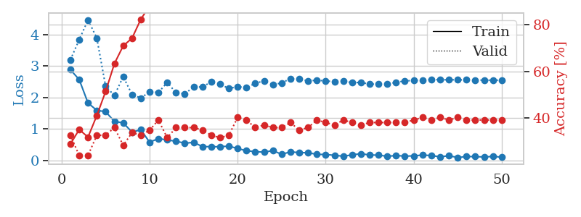
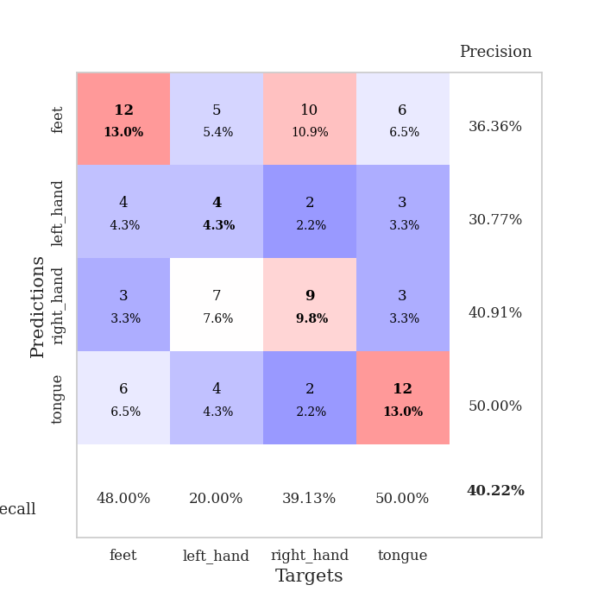
train_loss | valid_loss | train_accuracy | valid_accuracy | dur | train_misclass | valid_misclass
2.8833114862 | 3.2007921364 | 0.28804347826 | 0.32608695652 | 0.035173654556 | 28.804347826 | 32.608695652
2.5718676567 | 3.8361540774 | 0.35054347826 | 0.23913043478 | 0.034938335419 | 35.054347826 | 23.913043478
1.8268968821 | 4.46748464 | 0.31793478261 | 0.23913043478 | 0.034691333771 | 31.793478261 | 23.913043478
1.5945326805 | 3.8909305179 | 0.41032608696 | 0.32608695652 | 0.034740209579 | 41.032608696 | 32.608695652
1.5509110212 | 2.3563762178 | 0.51358695652 | 0.32608695652 | 0.03470993042 | 51.358695652 | 32.608695652
1.2420621634 | 2.0666946225 | 0.63315217391 | 0.35869565217 | 0.034765005112 | 63.315217391 | 35.869565217
1.1962294698 | 2.6651704311 | 0.70923913043 | 0.28260869565 | 0.034918308258 | 70.923913043 | 28.260869565
0.90259455442 | 2.0987639324 | 0.74184782609 | 0.33695652174 | 0.034712314606 | 74.184782609 | 33.695652174
0.9752841115 | 1.9833985619 | 0.82336956522 | 0.32608695652 | 0.034702062607 | 82.336956522 | 32.608695652
0.58196065426 | 2.1841019703 | 0.88043478261 | 0.34782608696 | 0.034669876099 | 88.043478261 | 34.782608696
0.69683264494 | 2.1591967811 | 0.90217391304 | 0.39130434783 | 0.034762144089 | 90.217391304 | 39.130434783
0.65267475843 | 2.4847159178 | 0.90489130435 | 0.3152173913 | 0.035622596741 | 90.489130435 | 31.52173913
0.61264175177 | 2.1476057301 | 0.90760869565 | 0.35869565217 | 0.03507065773 | 90.760869565 | 35.869565217
0.55042714477 | 2.120492505 | 0.92119565217 | 0.35869565217 | 0.034674882889 | 92.119565217 | 35.869565217
0.57617269158 | 2.3355635664 | 0.9375 | 0.35869565217 | 0.034665822983 | 93.75 | 35.869565217
0.44309312701 | 2.337182356 | 0.94565217391 | 0.34782608696 | 0.034754753113 | 94.565217391 | 34.782608696
0.43860545754 | 2.4994318382 | 0.95652173913 | 0.32608695652 | 0.034839630127 | 95.652173913 | 32.608695652
0.43778249025 | 2.4275053999 | 0.97826086957 | 0.3152173913 | 0.034741401672 | 97.826086957 | 31.52173913
0.45728700161 | 2.2857836537 | 0.97282608696 | 0.32608695652 | 0.03485584259 | 97.282608696 | 32.608695652
0.38152232468 | 2.3475859787 | 0.98097826087 | 0.40217391304 | 0.034903764725 | 98.097826087 | 40.217391304
0.30977239013 | 2.3162320697 | 0.98097826087 | 0.39130434783 | 0.035062551498 | 98.097826087 | 39.130434783
0.28291456103 | 2.4502823145 | 0.98913043478 | 0.35869565217 | 0.034800291061 | 98.913043478 | 35.869565217
0.26446610242 | 2.5320901249 | 0.9972826087 | 0.36956521739 | 0.034767150879 | 99.72826087 | 36.956521739
0.31581137776 | 2.4034682564 | 0.99184782609 | 0.35869565217 | 0.035232067108 | 99.184782609 | 35.869565217
0.19698997438 | 2.4654747611 | 0.99456521739 | 0.35869565217 | 0.034999847412 | 99.456521739 | 35.869565217
0.27576446831 | 2.6018104864 | 0.98913043478 | 0.38043478261 | 0.035124540329 | 98.913043478 | 38.043478261
0.24982958138 | 2.5832678235 | 0.99184782609 | 0.34782608696 | 0.034811019897 | 99.184782609 | 34.782608696
0.24883905649 | 2.5348342294 | 0.9972826087 | 0.35869565217 | 0.034793615341 | 99.72826087 | 35.869565217
0.19523188472 | 2.5475370469 | 0.9972826087 | 0.39130434783 | 0.035895586014 | 99.72826087 | 39.130434783
0.19103451371 | 2.5311279297 | 0.9972826087 | 0.38043478261 | 0.033143520355 | 99.72826087 | 38.043478261
0.16679206342 | 2.5005124652 | 0.99456521739 | 0.36956521739 | 0.03316783905 | 99.456521739 | 36.956521739
0.13531830609 | 2.5145078949 | 0.99184782609 | 0.39130434783 | 0.033062934875 | 99.184782609 | 39.130434783
0.17963399738 | 2.4767475854 | 0.99456521739 | 0.38043478261 | 0.033170223236 | 99.456521739 | 38.043478261
0.21520991921 | 2.4793790631 | 0.9972826087 | 0.36956521739 | 0.033335447311 | 99.72826087 | 36.956521739
0.17711904943 | 2.4288984796 | 0.9972826087 | 0.38043478261 | 0.033216714859 | 99.72826087 | 38.043478261
0.16995556206 | 2.4232418019 | 0.9972826087 | 0.38043478261 | 0.03334736824 | 99.72826087 | 38.043478261
0.13489212245 | 2.4395152693 | 1 | 0.38043478261 | 0.03340959549 | 100 | 38.043478261
0.15716453791 | 2.4808131197 | 1 | 0.38043478261 | 0.033404588699 | 100 | 38.043478261
0.14038675278 | 2.5298847219 | 1 | 0.38043478261 | 0.033433675766 | 100 | 38.043478261
0.14676676691 | 2.5415685695 | 1 | 0.39130434783 | 0.033486843109 | 100 | 39.130434783
0.17337971926 | 2.5574044559 | 1 | 0.40217391304 | 0.033421516418 | 100 | 40.217391304
0.15724878013 | 2.5734304656 | 1 | 0.39130434783 | 0.033435344696 | 100 | 39.130434783
0.11699711978 | 2.567799931 | 1 | 0.40217391304 | 0.03342962265 | 100 | 40.217391304
0.15062710196 | 2.564468135 | 1 | 0.39130434783 | 0.033346652985 | 100 | 39.130434783
0.095440453291 | 2.5642055947 | 1 | 0.40217391304 | 0.033379077911 | 100 | 40.217391304
0.12395355999 | 2.5604970973 | 1 | 0.39130434783 | 0.033353090286 | 100 | 39.130434783
0.12520597875 | 2.5553462609 | 1 | 0.39130434783 | 0.033415079117 | 100 | 39.130434783
0.11003111452 | 2.5532540757 | 1 | 0.39130434783 | 0.033533096313 | 100 | 39.130434783
0.1310787648 | 2.5520657871 | 1 | 0.39130434783 | 0.033563137054 | 100 | 39.130434783
0.10619778335 | 2.5522818462 | 1 | 0.39130434783 | 0.03508067131 | 100 | 39.130434783

Best Val accuracy is 0.40217391304347827 and Best test accuracy is 0.3017241379310345

Sheet4
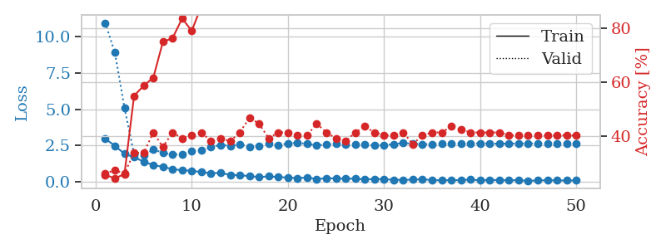
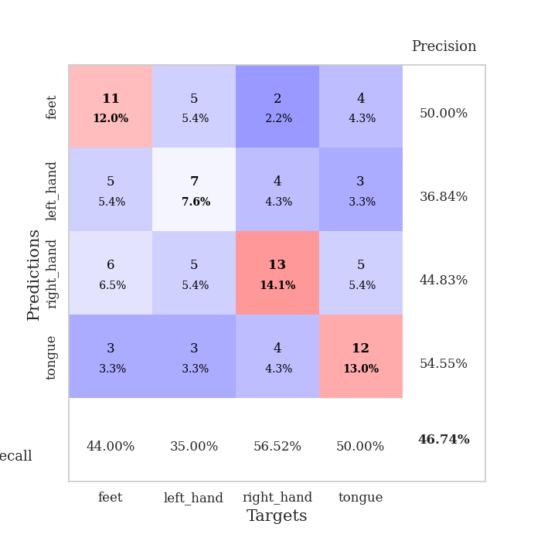
train_loss | valid_loss | train_accuracy | valid_accuracy | dur | train_misclass | valid_misclass
2.9746756315 | 10.961742899 | 0.25543478261 | 0.26086956522 | 0.035359621048 | 25.543478261 | 26.086956522
2.4939620495 | 8.9064752745 | 0.24184782609 | 0.27173913043 | 0.033380746841 | 24.184782609 | 27.173913043
1.9396461964 | 5.1197198785 | 0.25815217391 | 0.26086956522 | 0.033401727676 | 25.815217391 | 26.086956522
1.7004349947 | 1.9084868949 | 0.54891304348 | 0.33695652174 | 0.033054351807 | 54.891304348 | 33.695652174
1.3985054493 | 1.8193157548 | 0.58695652174 | 0.33695652174 | 0.033799648285 | 58.695652174 | 33.695652174
1.1599101782 | 2.245188682 | 0.61684782609 | 0.41304347826 | 0.035087585449 | 61.684782609 | 41.304347826
1.0420080543 | 2.0080705415 | 0.75 | 0.35869565217 | 0.03461265564 | 75 | 35.869565217
0.88274030685 | 1.8877132146 | 0.76358695652 | 0.41304347826 | 0.033412694931 | 76.358695652 | 41.304347826
0.80517232418 | 1.9175945676 | 0.83695652174 | 0.39130434783 | 0.035131931305 | 83.695652174 | 39.130434783
0.77182295322 | 2.1054264566 | 0.79076086957 | 0.40217391304 | 0.033011674881 | 79.076086957 | 40.217391304
0.67422008514 | 2.1609772599 | 0.88315217391 | 0.41304347826 | 0.032964229584 | 88.315217391 | 41.304347826
0.60425001383 | 2.4032554108 | 0.89673913043 | 0.38043478261 | 0.032916545868 | 89.673913043 | 38.043478261
0.61788848042 | 2.5521367115 | 0.92663043478 | 0.39130434783 | 0.033007383347 | 92.663043478 | 39.130434783
0.49465936422 | 2.4841859237 | 0.9375 | 0.38043478261 | 0.032953023911 | 93.75 | 38.043478261
0.45544577837 | 2.5907516376 | 0.95108695652 | 0.41304347826 | 0.03326177597 | 95.108695652 | 41.304347826
0.40968670845 | 2.4364928059 | 0.97554347826 | 0.46739130435 | 0.033205032349 | 97.554347826 | 46.739130435
0.32688286901 | 2.4848616952 | 0.97554347826 | 0.44565217391 | 0.033603668213 | 97.554347826 | 44.565217391
0.38852823377 | 2.6473932681 | 0.97010869565 | 0.39130434783 | 0.03321647644 | 97.010869565 | 39.130434783
0.33413212895 | 2.5393594763 | 0.97826086957 | 0.41304347826 | 0.033293962479 | 97.826086957 | 41.304347826
0.30391823947 | 2.6516535075 | 0.99184782609 | 0.41304347826 | 0.033096075058 | 99.184782609 | 41.304347826
0.26407553256 | 2.6948631639 | 0.9972826087 | 0.40217391304 | 0.033289909363 | 99.72826087 | 40.217391304
0.30624067187 | 2.624842737 | 0.98913043478 | 0.40217391304 | 0.033219099045 | 98.913043478 | 40.217391304
0.19921245277 | 2.5273678199 | 0.99184782609 | 0.44565217391 | 0.034080982208 | 99.184782609 | 44.565217391
0.25306372941 | 2.5723897685 | 0.98097826087 | 0.41304347826 | 0.033844232559 | 98.097826087 | 41.304347826
0.24250387847 | 2.6337568242 | 0.9972826087 | 0.39130434783 | 0.033957719803 | 99.72826087 | 39.130434783
0.22920176685 | 2.5638442039 | 0.99456521739 | 0.38043478261 | 0.035412788391 | 99.456521739 | 38.043478261
0.2278065294 | 2.5828980052 | 1 | 0.41304347826 | 0.032697677612 | 100 | 41.304347826
0.17196329236 | 2.5659625945 | 1 | 0.4347826087 | 0.032846212387 | 100 | 43.47826087
0.2019285351 | 2.5185417507 | 0.9972826087 | 0.41304347826 | 0.032733201981 | 99.72826087 | 41.304347826
0.18460444808 | 2.5374593631 | 1 | 0.40217391304 | 0.032757759094 | 100 | 40.217391304
0.15021392703 | 2.6067044528 | 1 | 0.40217391304 | 0.033232688904 | 100 | 40.217391304
0.14207595587 | 2.6773765191 | 1 | 0.41304347826 | 0.034976243973 | 100 | 41.304347826
0.15819240212 | 2.6350525669 | 1 | 0.36956521739 | 0.032972574234 | 100 | 36.956521739
0.18754556477 | 2.6036287909 | 1 | 0.40217391304 | 0.032919168472 | 100 | 40.217391304
0.12336399704 | 2.6102866919 | 1 | 0.41304347826 | 0.032877206802 | 100 | 41.304347826
0.11697087586 | 2.6257399683 | 1 | 0.41304347826 | 0.033074617386 | 100 | 41.304347826
0.12821658105 | 2.634406152 | 1 | 0.4347826087 | 0.032980680466 | 100 | 43.47826087
0.12065085322 | 2.6533163112 | 1 | 0.42391304348 | 0.033174753189 | 100 | 42.391304348
0.1749840498 | 2.655068128 | 1 | 0.41304347826 | 0.033186912537 | 100 | 41.304347826
0.1023678273 | 2.654964758 | 1 | 0.41304347826 | 0.033239603043 | 100 | 41.304347826
0.15092785507 | 2.6465528011 | 1 | 0.41304347826 | 0.033142089844 | 100 | 41.304347826
0.11814284474 | 2.6343579707 | 1 | 0.41304347826 | 0.03325343132 | 100 | 41.304347826
0.11926011294 | 2.6418520886 | 1 | 0.40217391304 | 0.033178567886 | 100 | 40.217391304
0.113402538 | 2.6485593837 | 1 | 0.40217391304 | 0.033234357834 | 100 | 40.217391304
0.083549381047 | 2.6508065929 | 1 | 0.40217391304 | 0.033165931702 | 100 | 40.217391304
0.097341838852 | 2.6481033926 | 1 | 0.40217391304 | 0.033165216446 | 100 | 40.217391304
0.12408443615 | 2.646295195 | 1 | 0.40217391304 | 0.033212661743 | 100 | 40.217391304
0.10191349387 | 2.6465438656 | 1 | 0.40217391304 | 0.033346891403 | 100 | 40.217391304
0.098717970401 | 2.6484836392 | 1 | 0.40217391304 | 0.033266305923 | 100 | 40.217391304
0.1018036589 | 2.6464101439 | 1 | 0.40217391304 | 0.033138751984 | 100 | 40.217391304

Best Val accuracy is 0.4673913043478261 and Best test accuracy is 0.3448275862068966

Sheet5
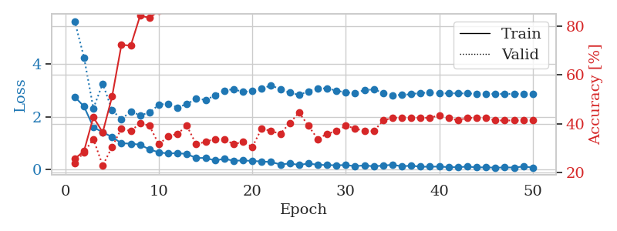
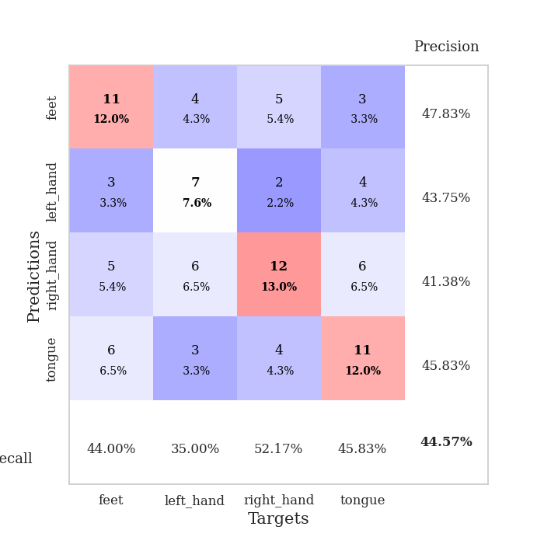
train_loss | valid_loss | train_accuracy | valid_accuracy | dur | train_misclass | valid_misclass
2.7616573334 | 5.6320002597 | 0.25543478261 | 0.23913043478 | 0.036296129227 | 25.543478261 | 23.913043478
2.3937626839 | 4.2554268733 | 0.28804347826 | 0.28260869565 | 0.035506486893 | 28.804347826 | 28.260869565
1.6099363089 | 2.3224978965 | 0.42663043478 | 0.33695652174 | 0.035059452057 | 42.663043478 | 33.695652174
1.4122375011 | 3.2623612259 | 0.36413043478 | 0.22826086957 | 0.035054206848 | 36.413043478 | 22.826086957
1.2362795353 | 2.2503623444 | 0.51086956522 | 0.30434782609 | 0.034019470215 | 51.086956522 | 30.434782609
0.99640897512 | 1.9134362159 | 0.72282608696 | 0.38043478261 | 0.034138917923 | 72.282608696 | 38.043478261
0.98308147192 | 2.2058311545 | 0.72010869565 | 0.36956521739 | 0.03529548645 | 72.010869565 | 36.956521739
0.94226742983 | 2.0615917807 | 0.84239130435 | 0.40217391304 | 0.034986019135 | 84.239130435 | 40.217391304
0.76348837614 | 2.15935563 | 0.83423913043 | 0.39130434783 | 0.035295724869 | 83.423913043 | 39.130434783
0.65197867155 | 2.4594267866 | 0.86141304348 | 0.3152173913 | 0.034974336624 | 86.141304348 | 31.52173913
0.60892006159 | 2.5022747309 | 0.88858695652 | 0.34782608696 | 0.034938573837 | 88.858695652 | 34.782608696
0.62330614924 | 2.3524411969 | 0.9402173913 | 0.35869565217 | 0.034946680069 | 94.02173913 | 35.869565217
0.58716051579 | 2.4916870801 | 0.97554347826 | 0.39130434783 | 0.034917593002 | 97.554347826 | 39.130434783
0.43698156476 | 2.6800766924 | 0.91847826087 | 0.3152173913 | 0.034187316895 | 91.847826087 | 31.52173913
0.440040344 | 2.6493618488 | 0.97282608696 | 0.32608695652 | 0.033985137939 | 97.282608696 | 32.608695652
0.34390193224 | 2.8030241572 | 0.96195652174 | 0.33695652174 | 0.034030199051 | 96.195652174 | 33.695652174
0.40502640009 | 2.9977511738 | 0.95108695652 | 0.33695652174 | 0.033946037292 | 95.108695652 | 33.695652174
0.33448868394 | 3.0517859563 | 0.96467391304 | 0.3152173913 | 0.033994436264 | 96.467391304 | 31.52173913
0.34270468354 | 2.9443052022 | 0.96195652174 | 0.32608695652 | 0.033933401108 | 96.195652174 | 32.608695652
0.32759729326 | 2.9796750753 | 0.97826086957 | 0.30434782609 | 0.033951997757 | 97.826086957 | 30.434782609
0.30269524157 | 3.0738910281 | 0.9972826087 | 0.38043478261 | 0.033961057663 | 99.72826087 | 38.043478261
0.28715671897 | 3.1904181397 | 1 | 0.36956521739 | 0.034094333649 | 100 | 36.956521739
0.19267729521 | 3.0527102947 | 0.99456521739 | 0.35869565217 | 0.034111499786 | 99.456521739 | 35.869565217
0.22842112184 | 2.9148061483 | 0.99456521739 | 0.40217391304 | 0.033993244171 | 99.456521739 | 40.217391304
0.17654927671 | 2.83326206 | 0.9972826087 | 0.44565217391 | 0.034049749374 | 99.72826087 | 44.565217391
0.22454434335 | 2.9688909779 | 0.9972826087 | 0.39130434783 | 0.035479307175 | 99.72826087 | 39.130434783
0.18265769333 | 3.084051267 | 0.99456521739 | 0.33695652174 | 0.034143686295 | 99.456521739 | 33.695652174
0.16611585915 | 3.0785278963 | 1 | 0.35869565217 | 0.03400349617 | 100 | 35.869565217
0.16343160272 | 2.9931832707 | 1 | 0.36956521739 | 0.033967018127 | 100 | 36.956521739
0.16788463145 | 2.9281338298 | 1 | 0.39130434783 | 0.034431934357 | 100 | 39.130434783
0.12626748681 | 2.9086237472 | 1 | 0.38043478261 | 0.035236358643 | 100 | 38.043478261
0.15701091439 | 3.0145350228 | 1 | 0.36956521739 | 0.034168720245 | 100 | 36.956521739
0.12058920115 | 3.0421543847 | 1 | 0.36956521739 | 0.034097671509 | 100 | 36.956521739
0.15039812624 | 2.9098182554 | 1 | 0.41304347826 | 0.034066677094 | 100 | 41.304347826
0.17920705974 | 2.8228715917 | 1 | 0.42391304348 | 0.0340487957 | 100 | 42.391304348
0.12117253616 | 2.8333352234 | 1 | 0.42391304348 | 0.033887147903 | 100 | 42.391304348
0.1476334542 | 2.8587901385 | 1 | 0.42391304348 | 0.033980607986 | 100 | 42.391304348
0.10645992383 | 2.9110239381 | 1 | 0.42391304348 | 0.033961057663 | 100 | 42.391304348
0.10699629486 | 2.9144378538 | 1 | 0.42391304348 | 0.03395652771 | 100 | 42.391304348
0.11206522286 | 2.8912668021 | 1 | 0.4347826087 | 0.033873796463 | 100 | 43.47826087
0.089128291607 | 2.8916442602 | 1 | 0.42391304348 | 0.034081697464 | 100 | 42.391304348
0.087456205487 | 2.8951514389 | 1 | 0.41304347826 | 0.03395318985 | 100 | 41.304347826
0.11106018722 | 2.8857386734 | 1 | 0.42391304348 | 0.033929109573 | 100 | 42.391304348
0.081516601145 | 2.8819882455 | 1 | 0.42391304348 | 0.034053087234 | 100 | 42.391304348
0.08216720596 | 2.8784617548 | 1 | 0.42391304348 | 0.03394317627 | 100 | 42.391304348
0.07023088932 | 2.8723572337 | 1 | 0.41304347826 | 0.03386425972 | 100 | 41.304347826
0.078720524162 | 2.871659424 | 1 | 0.41304347826 | 0.034098386765 | 100 | 41.304347826
0.076406229287 | 2.8725954139 | 1 | 0.41304347826 | 0.033965826035 | 100 | 41.304347826
0.11259659454 | 2.8709742401 | 1 | 0.41304347826 | 0.034846782684 | 100 | 41.304347826
0.074873059988 | 2.8739474442 | 1 | 0.41304347826 | 0.034946203232 | 100 | 41.304347826

Best Val accuracy is 0.44565217391304346 and Best test accuracy is 0.39655172413793105

Sheet6
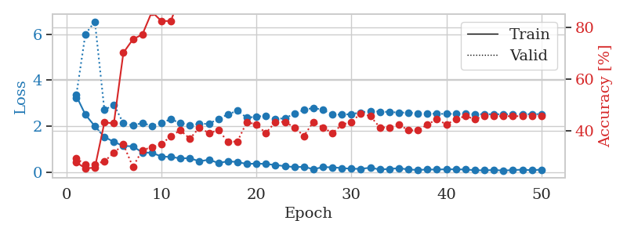
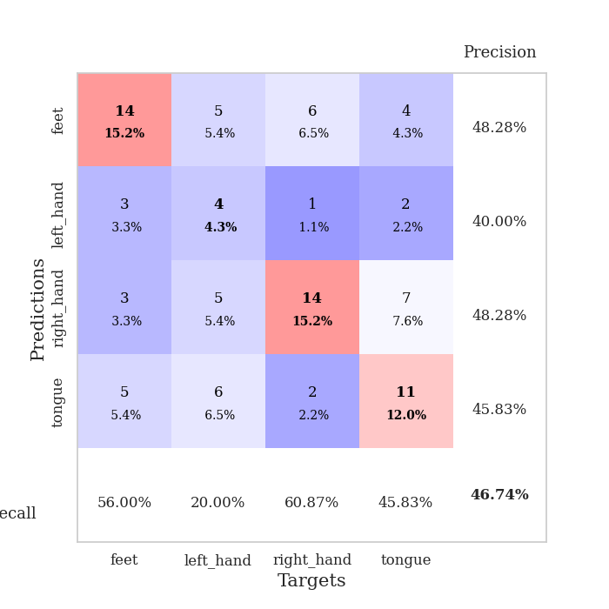
train_loss | valid_loss | train_accuracy | valid_accuracy | dur | train_misclass | valid_misclass
3.3513971329 | 3.2231305475 | 0.27989130435 | 0.29347826087 | 0.035754203796 | 27.989130435 | 29.347826087
2.5023046494 | 6.0019197879 | 0.25543478261 | 0.27173913043 | 0.03680896759 | 25.543478261 | 27.173913043
1.997644639 | 6.5468667486 | 0.25815217391 | 0.27173913043 | 0.034458875656 | 25.815217391 | 27.173913043
1.5336739063 | 2.7016535531 | 0.43206521739 | 0.28260869565 | 0.033692836761 | 43.206521739 | 28.260869565
1.319533205 | 2.938164825 | 0.42934782609 | 0.3152173913 | 0.033680677414 | 42.934782609 | 31.52173913
1.1405115366 | 2.122377634 | 0.70108695652 | 0.34782608696 | 0.034074544907 | 70.108695652 | 34.782608696
1.1269936323 | 2.0299008929 | 0.7527173913 | 0.26086956522 | 0.034991264343 | 75.27173913 | 26.086956522
0.85564558506 | 2.1431084508 | 0.77173913043 | 0.32608695652 | 0.033721208572 | 77.173913043 | 32.608695652
0.84670888186 | 2.0101344171 | 0.85869565217 | 0.33695652174 | 0.033784627914 | 85.869565217 | 33.695652174
0.68316119909 | 2.1477016936 | 0.82336956522 | 0.34782608696 | 0.033759832382 | 82.336956522 | 34.782608696
0.66298888922 | 2.3030461021 | 0.82336956522 | 0.38043478261 | 0.033743619919 | 82.336956522 | 38.043478261
0.60227161646 | 2.1346162143 | 0.92391304348 | 0.40217391304 | 0.034663200378 | 92.391304348 | 40.217391304
0.61173548698 | 2.0456963259 | 0.91032608696 | 0.36956521739 | 0.035105466843 | 91.032608696 | 36.956521739
0.47096726298 | 2.099595412 | 0.94293478261 | 0.41304347826 | 0.0336561203 | 94.293478261 | 41.304347826
0.5462033391 | 2.104681383 | 0.96739130435 | 0.39130434783 | 0.034032583237 | 96.739130435 | 39.130434783
0.40061478019 | 2.3173145108 | 0.97010869565 | 0.40217391304 | 0.033703565598 | 97.010869565 | 40.217391304
0.47477164865 | 2.5111709781 | 0.96195652174 | 0.35869565217 | 0.033741474152 | 96.195652174 | 35.869565217
0.44436443448 | 2.6753731292 | 0.95380434783 | 0.35869565217 | 0.033796548843 | 95.380434783 | 35.869565217
0.35634017587 | 2.3609578195 | 0.97010869565 | 0.4347826087 | 0.033619642258 | 97.010869565 | 43.47826087
0.37963706255 | 2.4225800763 | 0.98369565217 | 0.42391304348 | 0.03537607193 | 98.369565217 | 42.391304348
0.35645006895 | 2.442481269 | 0.97282608696 | 0.39130434783 | 0.033822774887 | 97.282608696 | 39.130434783
0.31459423602 | 2.3039766291 | 0.97826086957 | 0.4347826087 | 0.033745527267 | 97.826086957 | 43.47826087
0.26303466856 | 2.3527920039 | 0.96467391304 | 0.4347826087 | 0.033674955368 | 96.467391304 | 43.47826087
0.22295269668 | 2.5315845635 | 0.99184782609 | 0.41304347826 | 0.033664464951 | 99.184782609 | 41.304347826
0.23377814889 | 2.7073465534 | 0.99184782609 | 0.38043478261 | 0.033987283707 | 99.184782609 | 38.043478261
0.13365515992 | 2.7959381083 | 0.99184782609 | 0.4347826087 | 0.033987045288 | 99.184782609 | 43.47826087
0.22092173994 | 2.7086925818 | 1 | 0.41304347826 | 0.033816099167 | 100 | 41.304347826
0.214703843 | 2.5142649568 | 0.99184782609 | 0.39130434783 | 0.033970355988 | 99.184782609 | 39.130434783
0.1786410585 | 2.4996708476 | 0.99456521739 | 0.42391304348 | 0.033962965012 | 99.456521739 | 42.391304348
0.15163594782 | 2.5279870863 | 0.9972826087 | 0.4347826087 | 0.033953666687 | 99.72826087 | 43.47826087
0.14726129174 | 2.5964364073 | 1 | 0.46739130435 | 0.033845663071 | 100 | 46.739130435
0.19691359997 | 2.6648806593 | 1 | 0.45652173913 | 0.035506248474 | 100 | 45.652173913
0.11765512228 | 2.6310570758 | 1 | 0.41304347826 | 0.03386259079 | 100 | 41.304347826
0.14320491031 | 2.6202484628 | 1 | 0.41304347826 | 0.033813476562 | 100 | 41.304347826
0.17542664558 | 2.5902778791 | 1 | 0.42391304348 | 0.03392457962 | 100 | 42.391304348
0.11954046786 | 2.5923212922 | 1 | 0.40217391304 | 0.033860683441 | 100 | 40.217391304
0.097479821742 | 2.5593832265 | 1 | 0.40217391304 | 0.033876895905 | 100 | 40.217391304
0.11836318225 | 2.5473309289 | 1 | 0.42391304348 | 0.033977985382 | 100 | 42.391304348
0.11385664195 | 2.5397592524 | 1 | 0.44565217391 | 0.033863544464 | 100 | 44.565217391
0.12912386656 | 2.5331856375 | 1 | 0.42391304348 | 0.033798933029 | 100 | 42.391304348
0.12471053302 | 2.5365647544 | 1 | 0.44565217391 | 0.033929824829 | 100 | 44.565217391
0.11896449625 | 2.5317701257 | 1 | 0.45652173913 | 0.033983945847 | 100 | 45.652173913
0.087846450508 | 2.5252817506 | 1 | 0.44565217391 | 0.033931970596 | 100 | 44.565217391
0.080733761936 | 2.5202109192 | 1 | 0.45652173913 | 0.033882141113 | 100 | 45.652173913
0.097871538997 | 2.5206468313 | 1 | 0.45652173913 | 0.03381228447 | 100 | 45.652173913
0.071671355516 | 2.5189372146 | 1 | 0.45652173913 | 0.033900976181 | 100 | 45.652173913
0.094483863562 | 2.520727935 | 1 | 0.45652173913 | 0.033944129944 | 100 | 45.652173913
0.11104113758 | 2.5213272779 | 1 | 0.45652173913 | 0.033890724182 | 100 | 45.652173913
0.087658832967 | 2.5230642194 | 1 | 0.45652173913 | 0.033844947815 | 100 | 45.652173913
0.11372731626 | 2.525078307 | 1 | 0.45652173913 | 0.033963680267 | 100 | 45.652173913

Best Val accuracy is 0.4673913043478261 and Best test accuracy is 0.3620689655172414

Sheet7
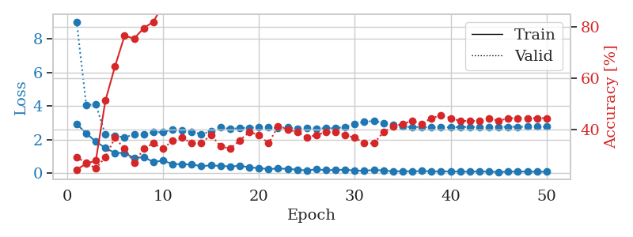
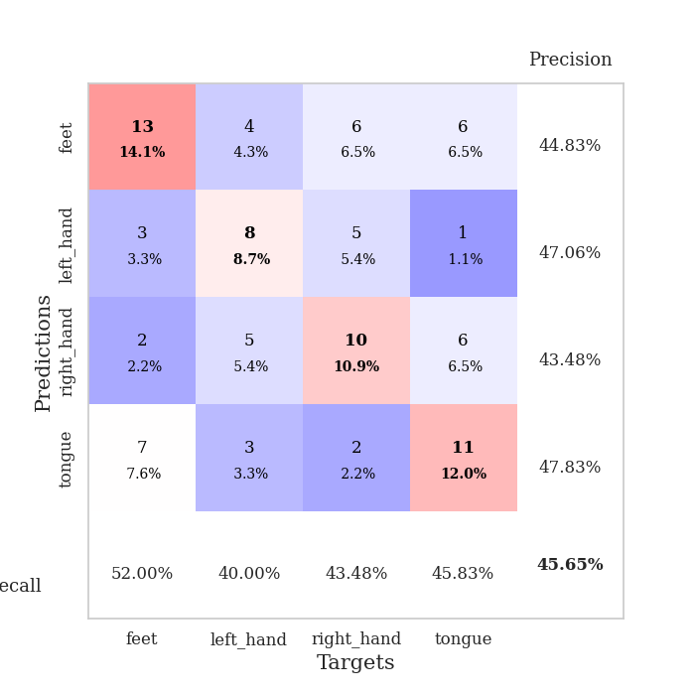
train_loss | valid_loss | train_accuracy | valid_accuracy | dur | train_misclass | valid_misclass
2.9390906572 | 9.0196853721 | 0.24456521739 | 0.29347826087 | 0.035165786743 | 24.456521739 | 29.347826087
2.3832266331 | 4.0695345505 | 0.26902173913 | 0.27173913043 | 0.037054300308 | 26.902173913 | 27.173913043
1.8874656916 | 4.1047917034 | 0.27989130435 | 0.25 | 0.036923885345 | 27.989130435 | 25
1.5085909367 | 2.3016943828 | 0.51358695652 | 0.29347826087 | 0.034396886826 | 51.358695652 | 29.347826087
1.2137481928 | 2.235391565 | 0.64673913043 | 0.36956521739 | 0.037017822266 | 64.673913043 | 36.956521739
1.208204031 | 2.1376671687 | 0.76630434783 | 0.32608695652 | 0.034927368164 | 76.630434783 | 32.608695652
0.90966538191 | 2.3089090638 | 0.75543478261 | 0.27173913043 | 0.034750699997 | 75.543478261 | 27.173913043
0.9604722023 | 2.3069784434 | 0.79619565217 | 0.32608695652 | 0.034772634506 | 79.619565217 | 32.608695652
0.67599846125 | 2.4423681549 | 0.82065217391 | 0.34782608696 | 0.034969091415 | 82.065217391 | 34.782608696
0.75476552248 | 2.4522218601 | 0.88586956522 | 0.32608695652 | 0.035063505173 | 88.586956522 | 32.608695652
0.55794095993 | 2.6016913186 | 0.91032608696 | 0.35869565217 | 0.034907341003 | 91.032608696 | 35.869565217
0.53991401196 | 2.5394585858 | 0.92119565217 | 0.36956521739 | 0.034883737564 | 92.119565217 | 36.956521739
0.5243658185 | 2.4793059722 | 0.95380434783 | 0.34782608696 | 0.035004615784 | 95.380434783 | 34.782608696
0.43081566691 | 2.3308169531 | 0.97554347826 | 0.34782608696 | 0.034919261932 | 97.554347826 | 34.782608696
0.46991270781 | 2.4974205183 | 0.97010869565 | 0.38043478261 | 0.036673545837 | 97.010869565 | 38.043478261
0.44233406186 | 2.7502782345 | 0.94836956522 | 0.33695652174 | 0.034673690796 | 94.836956522 | 33.695652174
0.40758464634 | 2.6290959275 | 0.96195652174 | 0.32608695652 | 0.03444981575 | 96.195652174 | 32.608695652
0.44822744131 | 2.6979846851 | 0.95652173913 | 0.35869565217 | 0.034493684769 | 95.652173913 | 35.869565217
0.35610919595 | 2.7203374324 | 0.96739130435 | 0.39130434783 | 0.034565925598 | 96.739130435 | 39.130434783
0.31002610922 | 2.7512914409 | 0.96739130435 | 0.38043478261 | 0.035098552704 | 96.739130435 | 38.043478261
0.25644522607 | 2.7293390709 | 0.98369565217 | 0.34782608696 | 0.034795045853 | 98.369565217 | 34.782608696
0.28470583558 | 2.7068509537 | 0.98913043478 | 0.41304347826 | 0.034756422043 | 98.913043478 | 41.304347826
0.26737833023 | 2.7319181898 | 0.98369565217 | 0.40217391304 | 0.035032510757 | 98.369565217 | 40.217391304
0.21682434082 | 2.6346980489 | 0.9972826087 | 0.39130434783 | 0.034666538239 | 99.72826087 | 39.130434783
0.17057942748 | 2.6861441032 | 0.99456521739 | 0.36956521739 | 0.034651994705 | 99.456521739 | 36.956521739
0.23881786764 | 2.6713343703 | 0.99184782609 | 0.38043478261 | 0.034783124924 | 99.184782609 | 38.043478261
0.1907841742 | 2.6783792558 | 0.99456521739 | 0.39130434783 | 0.034853696823 | 99.456521739 | 39.130434783
0.19495943189 | 2.6868583949 | 0.9972826087 | 0.39130434783 | 0.034702062607 | 99.72826087 | 39.130434783
0.22231869698 | 2.7522614313 | 0.9972826087 | 0.38043478261 | 0.034806728363 | 99.72826087 | 38.043478261
0.16261608899 | 2.9391888432 | 0.9972826087 | 0.36956521739 | 0.034797906876 | 99.72826087 | 36.956521739
0.15473781228 | 3.0610956835 | 0.9972826087 | 0.34782608696 | 0.034719467163 | 99.72826087 | 34.782608696
0.19790401161 | 3.120517513 | 1 | 0.34782608696 | 0.034787416458 | 100 | 34.782608696
0.17868626192 | 2.9919352428 | 1 | 0.39130434783 | 0.034856319427 | 100 | 39.130434783
0.11266350448 | 2.8697257871 | 1 | 0.41304347826 | 0.03478717804 | 100 | 41.304347826
0.13170718402 | 2.7869906114 | 1 | 0.42391304348 | 0.034798383713 | 100 | 42.391304348
0.11719802544 | 2.7468339464 | 1 | 0.4347826087 | 0.034908533096 | 100 | 43.47826087
0.14325268567 | 2.7607665373 | 1 | 0.42391304348 | 0.035063505173 | 100 | 42.391304348
0.11222613156 | 2.7357888429 | 1 | 0.44565217391 | 0.034657716751 | 100 | 44.565217391
0.11738161594 | 2.7307591127 | 1 | 0.45652173913 | 0.034791707993 | 100 | 45.652173913
0.11192365885 | 2.7429168328 | 1 | 0.44565217391 | 0.034821987152 | 100 | 44.565217391
0.10766625851 | 2.756386249 | 1 | 0.4347826087 | 0.034563302994 | 100 | 43.47826087
0.095669494569 | 2.7584033634 | 1 | 0.4347826087 | 0.034693241119 | 100 | 43.47826087
0.11927258 | 2.7532884142 | 1 | 0.4347826087 | 0.034749984741 | 100 | 43.47826087
0.10003866777 | 2.7600755484 | 1 | 0.44565217391 | 0.034707069397 | 100 | 44.565217391
0.077717266232 | 2.7641489298 | 1 | 0.4347826087 | 0.034692049026 | 100 | 43.47826087
0.10272598267 | 2.7672260326 | 1 | 0.44565217391 | 0.034821271896 | 100 | 44.565217391
0.10754903406 | 2.7680739631 | 1 | 0.44565217391 | 0.034776210785 | 100 | 44.565217391
0.10397281274 | 2.768505708 | 1 | 0.44565217391 | 0.034759044647 | 100 | 44.565217391
0.093552676588 | 2.7694632178 | 1 | 0.44565217391 | 0.034723520279 | 100 | 44.565217391
0.096301834285 | 2.7684217329 | 1 | 0.44565217391 | 0.034809350967 | 100 | 44.565217391

Best Val accuracy is 0.45652173913043476 and Best test accuracy is 0.3620689655172414

Sheet8
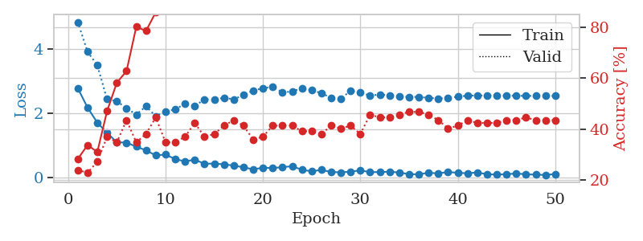
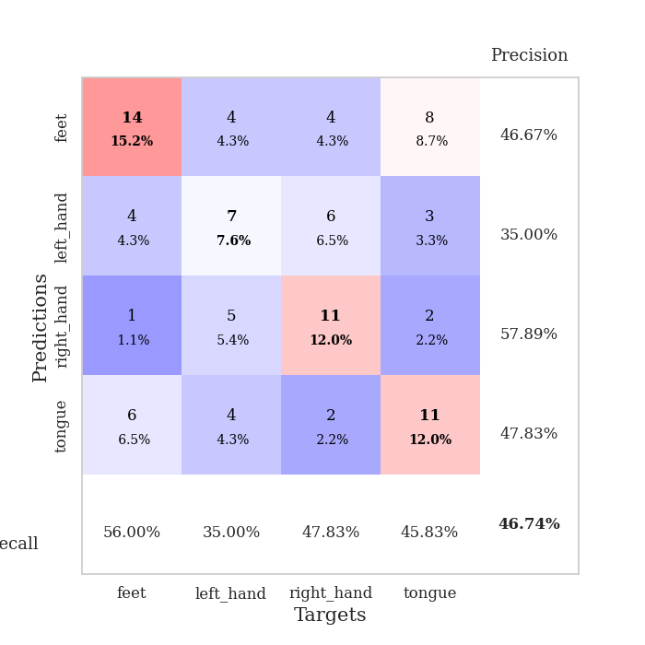
train_loss | valid_loss | train_accuracy | valid_accuracy | dur | train_misclass | valid_misclass
2.7729609489 | 4.8346850976 | 0.28260869565 | 0.23913043478 | 0.035304307938 | 28.260869565 | 23.913043478
2.1720714331 | 3.9097109048 | 0.33695652174 | 0.22826086957 | 0.033774852753 | 33.695652174 | 22.826086957
1.7017983675 | 3.4903662308 | 0.3097826087 | 0.27173913043 | 0.032641410828 | 30.97826087 | 27.173913043
1.3875495195 | 2.4326220595 | 0.47010869565 | 0.36956521739 | 0.032860994339 | 47.010869565 | 36.956521739
1.0909831405 | 2.3726074385 | 0.58152173913 | 0.34782608696 | 0.032865285873 | 58.152173913 | 34.782608696
1.0808715105 | 2.1476815887 | 0.6277173913 | 0.4347826087 | 0.032597303391 | 62.77173913 | 43.47826087
0.95597677231 | 1.9569088532 | 0.80163043478 | 0.34782608696 | 0.032933950424 | 80.163043478 | 34.782608696
0.83977886438 | 2.2106648217 | 0.78532608696 | 0.38043478261 | 0.032607078552 | 78.532608696 | 38.043478261
0.68171011209 | 1.9041536476 | 0.85869565217 | 0.44565217391 | 0.032660245895 | 85.869565217 | 44.565217391
0.70932077169 | 2.0491223439 | 0.88043478261 | 0.34782608696 | 0.033185720444 | 88.043478261 | 34.782608696
0.56423991323 | 2.1149595665 | 0.92119565217 | 0.34782608696 | 0.035210371017 | 92.119565217 | 34.782608696
0.4972055614 | 2.2942243503 | 0.88586956522 | 0.36956521739 | 0.032802581787 | 88.586956522 | 36.956521739
0.54677122235 | 2.2213383602 | 0.9347826087 | 0.42391304348 | 0.032703876495 | 93.47826087 | 42.391304348
0.42425568104 | 2.4273887925 | 0.9375 | 0.36956521739 | 0.03277015686 | 93.75 | 36.956521739
0.42678444982 | 2.4227297202 | 0.94565217391 | 0.38043478261 | 0.033377408981 | 94.565217391 | 38.043478261
0.40524256825 | 2.4782416976 | 0.96467391304 | 0.41304347826 | 0.033770799637 | 96.467391304 | 41.304347826
0.36376186609 | 2.4303349464 | 0.97282608696 | 0.4347826087 | 0.033820152283 | 97.282608696 | 43.47826087
0.31228775084 | 2.5605935843 | 0.97554347826 | 0.41304347826 | 0.033858537674 | 97.554347826 | 41.304347826
0.24763156176 | 2.707539009 | 0.98369565217 | 0.35869565217 | 0.033780097961 | 98.369565217 | 35.869565217
0.29994267225 | 2.7722854718 | 0.98097826087 | 0.36956521739 | 0.034290075302 | 98.097826087 | 36.956521739
0.28788618147 | 2.8221767778 | 0.97010869565 | 0.41304347826 | 0.032960891724 | 97.010869565 | 41.304347826
0.31653340757 | 2.6450067914 | 0.98369565217 | 0.41304347826 | 0.032913446426 | 98.369565217 | 41.304347826
0.34548575878 | 2.6736089147 | 0.98369565217 | 0.41304347826 | 0.032901525497 | 98.369565217 | 41.304347826
0.23432682157 | 2.7789808667 | 0.98097826087 | 0.39130434783 | 0.032929182053 | 98.097826087 | 39.130434783
0.18602692783 | 2.7117563642 | 0.98641304348 | 0.39130434783 | 0.032948493958 | 98.641304348 | 39.130434783
0.23066156209 | 2.623463838 | 0.98097826087 | 0.38043478261 | 0.032883882523 | 98.097826087 | 38.043478261
0.16429559141 | 2.4699937675 | 0.98913043478 | 0.41304347826 | 0.032982349396 | 98.913043478 | 41.304347826
0.15376437455 | 2.45606297 | 0.9972826087 | 0.40217391304 | 0.033143997192 | 99.72826087 | 40.217391304
0.17604722381 | 2.6926692569 | 0.99456521739 | 0.41304347826 | 0.033121109009 | 99.456521739 | 41.304347826
0.21606703997 | 2.6417589706 | 1 | 0.38043478261 | 0.033097743988 | 100 | 38.043478261
0.16061625332 | 2.5440360152 | 1 | 0.45652173913 | 0.032947778702 | 100 | 45.652173913
0.16332333833 | 2.5803361872 | 1 | 0.44565217391 | 0.0335252285 | 100 | 44.565217391
0.17376850843 | 2.5509425454 | 1 | 0.44565217391 | 0.034950494766 | 100 | 44.565217391
0.14844431579 | 2.5146694287 | 1 | 0.45652173913 | 0.034928321838 | 100 | 45.652173913
0.098307746649 | 2.5043342424 | 1 | 0.46739130435 | 0.035068035126 | 100 | 46.739130435
0.092887314409 | 2.5043144744 | 1 | 0.46739130435 | 0.035329580307 | 100 | 46.739130435
0.1402031824 | 2.4750560263 | 1 | 0.45652173913 | 0.033784627914 | 100 | 45.652173913
0.12041499764 | 2.4539702975 | 1 | 0.4347826087 | 0.033878564835 | 100 | 43.47826087
0.16373730302 | 2.4766229028 | 1 | 0.40217391304 | 0.033911943436 | 100 | 40.217391304
0.1399017036 | 2.5078868037 | 1 | 0.41304347826 | 0.033909082413 | 100 | 41.304347826
0.12409338057 | 2.5461716134 | 1 | 0.4347826087 | 0.033797740936 | 100 | 43.47826087
0.15153229237 | 2.5469428975 | 1 | 0.42391304348 | 0.033940315247 | 100 | 42.391304348
0.093868484348 | 2.5480785888 | 1 | 0.42391304348 | 0.033909797668 | 100 | 42.391304348
0.084034362435 | 2.5429953907 | 1 | 0.42391304348 | 0.03390789032 | 100 | 42.391304348
0.096142457426 | 2.5404503345 | 1 | 0.4347826087 | 0.034022808075 | 100 | 43.47826087
0.1191196382 | 2.5386699801 | 1 | 0.4347826087 | 0.0338306427 | 100 | 43.47826087
0.093137331307 | 2.5359690811 | 1 | 0.44565217391 | 0.033894538879 | 100 | 44.565217391
0.082344648242 | 2.535665595 | 1 | 0.4347826087 | 0.03377366066 | 100 | 43.47826087
0.073977394402 | 2.5357766048 | 1 | 0.4347826087 | 0.033932209015 | 100 | 43.47826087
0.1022420913 | 2.5362897956 | 1 | 0.4347826087 | 0.03398680687 | 100 | 43.47826087

Best Val accuracy is 0.4673913043478261 and Best test accuracy is 0.3620689655172414

Sheet9
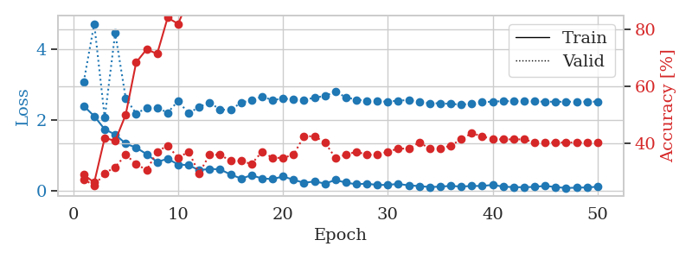
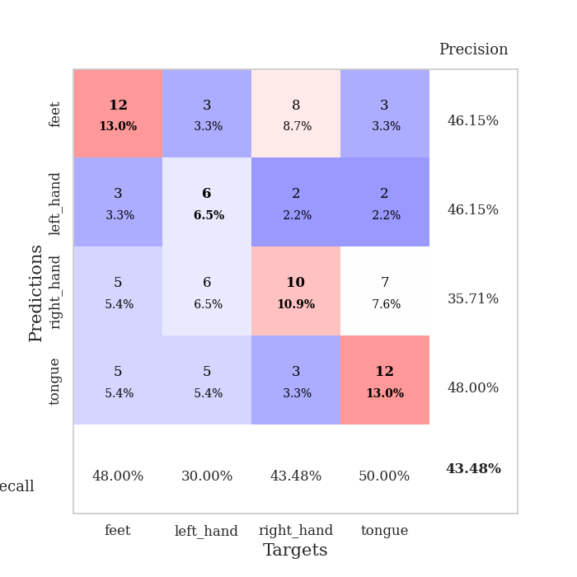
train_loss | valid_loss | train_accuracy | valid_accuracy | dur | train_misclass | valid_misclass
2.3930726528 | 3.0774117138 | 0.28804347826 | 0.27173913043 | 0.035987138748 | 28.804347826 | 27.173913043
2.1044282675 | 4.7178467046 | 0.26086956522 | 0.25 | 0.034963846207 | 26.086956522 | 25
1.7313192606 | 2.0564435306 | 0.41847826087 | 0.29347826087 | 0.034641265869 | 41.847826087 | 29.347826087
1.5855722189 | 4.4602292517 | 0.40760869565 | 0.3152173913 | 0.034790277481 | 40.760869565 | 31.52173913
1.3275345325 | 2.612025406 | 0.5 | 0.35869565217 | 0.034734964371 | 50 | 35.869565217
1.2138283014 | 2.1756471655 | 0.6847826087 | 0.32608695652 | 0.034826040268 | 68.47826087 | 32.608695652
1.0278324127 | 2.3366555546 | 0.73097826087 | 0.30434782609 | 0.034526348114 | 73.097826087 | 30.434782609
0.80886250734 | 2.3435638262 | 0.71467391304 | 0.36956521739 | 0.034447431564 | 71.467391304 | 36.956521739
0.89951392412 | 2.2021229682 | 0.84239130435 | 0.39130434783 | 0.034819126129 | 84.239130435 | 39.130434783
0.73692798615 | 2.5327348502 | 0.82065217391 | 0.34782608696 | 0.034879684448 | 82.065217391 | 34.782608696
0.71820869446 | 2.1828125974 | 0.90760869565 | 0.36956521739 | 0.033854961395 | 90.760869565 | 36.956521739
0.57480196953 | 2.3660143873 | 0.92391304348 | 0.29347826087 | 0.033758878708 | 92.391304348 | 29.347826087
0.61314533949 | 2.4871067172 | 0.94565217391 | 0.35869565217 | 0.03365278244 | 94.565217391 | 35.869565217
0.59798641801 | 2.2931402144 | 0.93206521739 | 0.35869565217 | 0.033712387085 | 93.206521739 | 35.869565217
0.45492094755 | 2.2763599106 | 0.98641304348 | 0.33695652174 | 0.033743619919 | 98.641304348 | 33.695652174
0.3391078651 | 2.4879016254 | 0.96467391304 | 0.33695652174 | 0.033654689789 | 96.467391304 | 33.695652174
0.43051735759 | 2.5557219153 | 0.98097826087 | 0.32608695652 | 0.033702850342 | 98.097826087 | 32.608695652
0.34245904684 | 2.6548465542 | 0.98097826087 | 0.36956521739 | 0.033600091934 | 98.097826087 | 36.956521739
0.32437856793 | 2.5598430945 | 0.99184782609 | 0.34782608696 | 0.033636331558 | 99.184782609 | 34.782608696
0.39715284407 | 2.5988669914 | 0.98369565217 | 0.34782608696 | 0.033708810806 | 98.369565217 | 34.782608696
0.30713612735 | 2.5844551895 | 0.99184782609 | 0.35869565217 | 0.033674240112 | 99.184782609 | 35.869565217
0.21713679433 | 2.5668060158 | 0.99184782609 | 0.42391304348 | 0.03367972374 | 99.184782609 | 42.391304348
0.25894803107 | 2.6225763611 | 0.98913043478 | 0.42391304348 | 0.035054206848 | 98.913043478 | 42.391304348
0.19669930935 | 2.6789167964 | 0.99456521739 | 0.40217391304 | 0.034604310989 | 99.456521739 | 40.217391304
0.29834306836 | 2.7941684412 | 0.99184782609 | 0.34782608696 | 0.034511089325 | 99.184782609 | 34.782608696
0.22454429269 | 2.6392419338 | 1 | 0.35869565217 | 0.033770799637 | 100 | 35.869565217
0.1761911124 | 2.5684806264 | 1 | 0.36956521739 | 0.033586263657 | 100 | 36.956521739
0.19770961404 | 2.5406381255 | 1 | 0.35869565217 | 0.033486843109 | 100 | 35.869565217
0.1541435957 | 2.5215115755 | 1 | 0.35869565217 | 0.033566713333 | 100 | 35.869565217
0.16288167685 | 2.5144498141 | 1 | 0.36956521739 | 0.033491611481 | 100 | 36.956521739
0.18576640934 | 2.5435785418 | 0.9972826087 | 0.38043478261 | 0.033456802368 | 99.72826087 | 38.043478261
0.14547745734 | 2.5603725081 | 1 | 0.38043478261 | 0.033495664597 | 100 | 38.043478261
0.12654824108 | 2.5083391252 | 1 | 0.40217391304 | 0.033507585526 | 100 | 40.217391304
0.098725531995 | 2.470322298 | 1 | 0.38043478261 | 0.033376693726 | 100 | 38.043478261
0.11011785492 | 2.467934795 | 1 | 0.38043478261 | 0.033910512924 | 100 | 38.043478261
0.13184741288 | 2.4515972137 | 1 | 0.39130434783 | 0.033619165421 | 100 | 39.130434783
0.11150938869 | 2.429597668 | 1 | 0.41304347826 | 0.033512592316 | 100 | 41.304347826
0.13010419309 | 2.4556298671 | 1 | 0.4347826087 | 0.033485651016 | 100 | 43.47826087
0.12846485302 | 2.4977045578 | 1 | 0.42391304348 | 0.033920526505 | 100 | 42.391304348
0.15957992971 | 2.5160990694 | 1 | 0.41304347826 | 0.033489227295 | 100 | 41.304347826
0.11027992442 | 2.5273546447 | 1 | 0.41304347826 | 0.033429861069 | 100 | 41.304347826
0.096310343593 | 2.5280718389 | 1 | 0.41304347826 | 0.033446788788 | 100 | 41.304347826
0.09395746626 | 2.5237636255 | 1 | 0.41304347826 | 0.033395290375 | 100 | 41.304347826
0.10351937413 | 2.5201953701 | 1 | 0.40217391304 | 0.03333902359 | 100 | 40.217391304
0.13165265173 | 2.5139628597 | 1 | 0.40217391304 | 0.033433675766 | 100 | 40.217391304
0.098227332532 | 2.5119381262 | 1 | 0.40217391304 | 0.033484697342 | 100 | 40.217391304
0.07214917466 | 2.5120600203 | 1 | 0.40217391304 | 0.033490896225 | 100 | 40.217391304
0.081217659265 | 2.5146277884 | 1 | 0.40217391304 | 0.033494710922 | 100 | 40.217391304
0.088337934017 | 2.5149652025 | 1 | 0.40217391304 | 0.033411502838 | 100 | 40.217391304
0.10768887103 | 2.5140228271 | 1 | 0.40217391304 | 0.033369541168 | 100 | 40.217391304

Best Val accuracy is 0.43478260869565216 and Best test accuracy is 0.35344827586206895

Sheet10
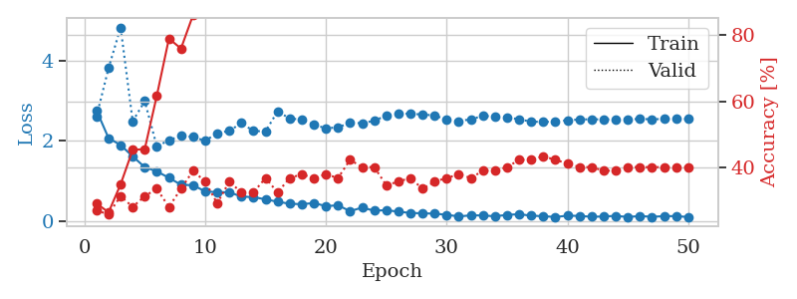
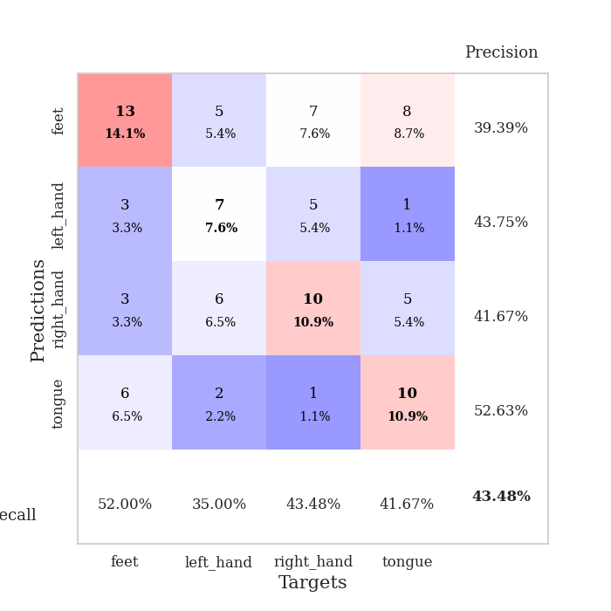
train_loss | valid_loss | train_accuracy | valid_accuracy | dur | train_misclass | valid_misclass
2.7623145103 | 2.6036654866 | 0.29347826087 | 0.27173913043 | 0.035965681076 | 29.347826087 | 27.173913043
2.0702910662 | 3.8121345147 | 0.26630434783 | 0.26086956522 | 0.034776926041 | 26.630434783 | 26.086956522
1.8949543238 | 4.8287709692 | 0.35054347826 | 0.3152173913 | 0.033537626266 | 35.054347826 | 31.52173913
1.6140450954 | 2.4893376205 | 0.45380434783 | 0.28260869565 | 0.034763097763 | 45.380434783 | 28.260869565
1.3446412802 | 2.9915602 | 0.45652173913 | 0.3152173913 | 0.033470630646 | 45.652173913 | 31.52173913
1.2396011114 | 1.8620166519 | 0.61684782609 | 0.33695652174 | 0.034970998764 | 61.684782609 | 33.695652174
1.0802199244 | 2.0162206111 | 0.78804347826 | 0.28260869565 | 0.032460451126 | 78.804347826 | 28.260869565
0.90646238327 | 2.1265041621 | 0.75815217391 | 0.33695652174 | 0.032438755035 | 75.815217391 | 33.695652174
0.89487593174 | 2.1008958195 | 0.85869565217 | 0.39130434783 | 0.03218626976 | 85.869565217 | 39.130434783
0.74184615016 | 2.0002027491 | 0.90217391304 | 0.35869565217 | 0.03270816803 | 90.217391304 | 35.869565217
0.71995174885 | 2.1943265459 | 0.86684782609 | 0.29347826087 | 0.032504796982 | 86.684782609 | 29.347826087
0.72146896124 | 2.2485534212 | 0.90760869565 | 0.35869565217 | 0.03248500824 | 90.760869565 | 35.869565217
0.61062735319 | 2.4445431751 | 0.8722826087 | 0.32608695652 | 0.032523155212 | 87.22826087 | 32.608695652
0.59841336608 | 2.2459923599 | 0.90217391304 | 0.32608695652 | 0.033283233643 | 90.217391304 | 32.608695652
0.54225651622 | 2.2383737253 | 0.92934782609 | 0.36956521739 | 0.034281730652 | 92.934782609 | 36.956521739
0.48323982954 | 2.7360957083 | 0.93206521739 | 0.32608695652 | 0.033819675446 | 93.206521739 | 32.608695652
0.4331631124 | 2.5581268539 | 0.95380434783 | 0.36956521739 | 0.033771276474 | 95.380434783 | 36.956521739
0.42184463143 | 2.5310361904 | 0.95923913043 | 0.38043478261 | 0.03341126442 | 95.923913043 | 38.043478261
0.45052051544 | 2.4029728744 | 0.97826086957 | 0.36956521739 | 0.034081220627 | 97.826086957 | 36.956521739
0.37391016483 | 2.3147751248 | 0.97826086957 | 0.38043478261 | 0.033393859863 | 97.826086957 | 38.043478261
0.39387731254 | 2.3378270191 | 0.99184782609 | 0.36956521739 | 0.033668756485 | 99.184782609 | 36.956521739
0.24830177128 | 2.4525391434 | 0.96467391304 | 0.42391304348 | 0.033387899399 | 96.467391304 | 42.391304348
0.33750519753 | 2.4406101289 | 0.97282608696 | 0.40217391304 | 0.0346326828 | 97.282608696 | 40.217391304
0.25937831998 | 2.502052587 | 0.98641304348 | 0.40217391304 | 0.03340959549 | 98.641304348 | 40.217391304
0.27360464334 | 2.6310136318 | 0.9972826087 | 0.34782608696 | 0.033346652985 | 99.72826087 | 34.782608696
0.23446975052 | 2.6859293813 | 0.9972826087 | 0.35869565217 | 0.035466432571 | 99.72826087 | 35.869565217
0.20394990444 | 2.6745119406 | 1 | 0.36956521739 | 0.03276014328 | 100 | 36.956521739
0.19411554039 | 2.6596642577 | 0.9972826087 | 0.33695652174 | 0.033042430878 | 99.72826087 | 33.695652174
0.18649521768 | 2.6334250595 | 0.99456521739 | 0.35869565217 | 0.033263206482 | 99.456521739 | 35.869565217
0.15739165694 | 2.5301161745 | 1 | 0.36956521739 | 0.033282995224 | 100 | 36.956521739
0.11648069769 | 2.4892928497 | 1 | 0.38043478261 | 0.033498764038 | 100 | 38.043478261
0.14374281019 | 2.5417924653 | 1 | 0.36956521739 | 0.032903194427 | 100 | 36.956521739
0.14121309966 | 2.6203429803 | 1 | 0.39130434783 | 0.032524347305 | 100 | 39.130434783
0.1197416842 | 2.613928318 | 1 | 0.39130434783 | 0.033673048019 | 100 | 39.130434783
0.15550698191 | 2.5913868987 | 1 | 0.40217391304 | 0.032370328903 | 100 | 40.217391304
0.17229766995 | 2.5356134643 | 1 | 0.42391304348 | 0.032335042953 | 100 | 42.391304348
0.13524342179 | 2.4811766666 | 1 | 0.42391304348 | 0.032335519791 | 100 | 42.391304348
0.12257911712 | 2.4718560551 | 1 | 0.4347826087 | 0.032557725906 | 100 | 43.47826087
0.10233585387 | 2.4837771084 | 1 | 0.42391304348 | 0.032992839813 | 100 | 42.391304348
0.13538005203 | 2.5155354997 | 1 | 0.41304347826 | 0.03261423111 | 100 | 41.304347826
0.12941010892 | 2.5321500612 | 1 | 0.40217391304 | 0.03306388855 | 100 | 40.217391304
0.10813295022 | 2.5404604 | 1 | 0.40217391304 | 0.034418106079 | 100 | 40.217391304
0.11507088393 | 2.5343291449 | 1 | 0.39130434783 | 0.034429788589 | 100 | 39.130434783
0.1308945775 | 2.5390806509 | 1 | 0.39130434783 | 0.03295135498 | 100 | 39.130434783
0.10234082639 | 2.5429341897 | 1 | 0.40217391304 | 0.033323049545 | 100 | 40.217391304
0.12678731605 | 2.5435823876 | 1 | 0.40217391304 | 0.033485412598 | 100 | 40.217391304
0.10734360516 | 2.5423248747 | 1 | 0.40217391304 | 0.034307718277 | 100 | 40.217391304
0.12369008511 | 2.5433673548 | 1 | 0.40217391304 | 0.034445762634 | 100 | 40.217391304
0.12411621213 | 2.5446810411 | 1 | 0.40217391304 | 0.034348726273 | 100 | 40.217391304
0.10209575593 | 2.5459873676 | 1 | 0.40217391304 | 0.034029006958 | 100 | 40.217391304

Best Val accuracy is 0.43478260869565216 and Best test accuracy is 0.39655172413793105

