Sheet
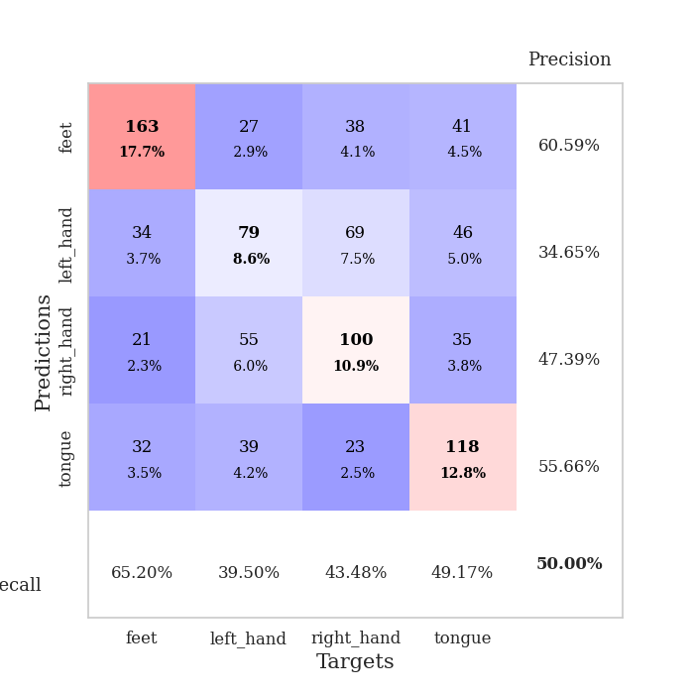
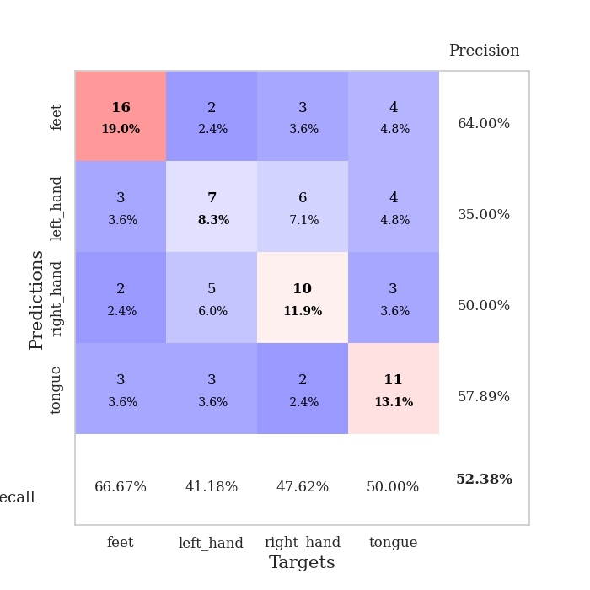
best_val_acc | best_val_los | best_test_acc
0.44565217391 | 1.8191130265 | 0.44827586207
0.48913043478 | 1.6717319748 | 0.49137931034
0.5 | 1.8794747643 | 0.47413793103
0.46739130435 | 2.1120719858 | 0.52586206897
0.51086956522 | 1.85167111 | 0.5
0.57608695652 | 1.7186205232 | 0.44827586207
0.51086956522 | 1.7148503428 | 0.33620689655
0.47826086957 | 1.838618745 | 0.43103448276
0.47826086957 | 1.9353361596 | 0.37068965517
0.54347826087 | 1.63966975 | 0.50862068966

Mean,std Val accuracy is 0.5000000000000001 , 0.038000320585875054 and mean, std test accuracy is 0.45344827586206893 , 0.06098456733279222

Sheet1
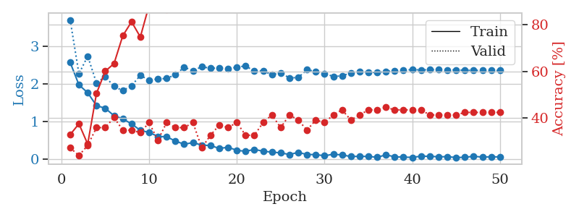
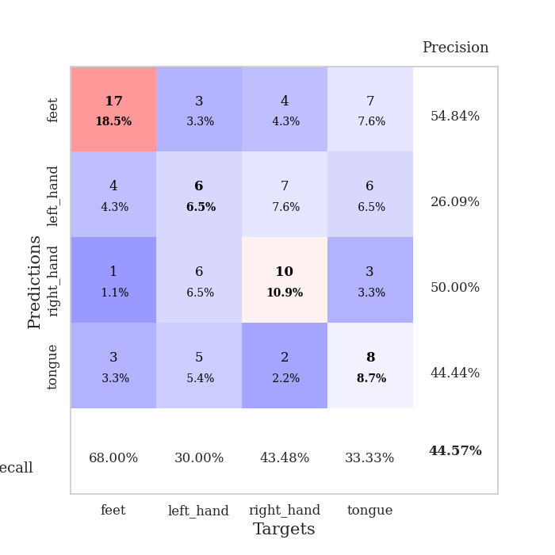
train_loss | valid_loss | train_accuracy | valid_accuracy | dur | train_misclass | valid_misclass
2.5713016987 | 3.7010061223 | 0.32880434783 | 0.27173913043 | 0.03614616394 | 32.880434783 | 27.173913043
1.9743369341 | 2.2668405823 | 0.375 | 0.23913043478 | 0.034467697144 | 37.5 | 23.913043478
1.7649383307 | 2.7389646613 | 0.28804347826 | 0.28260869565 | 0.033416986465 | 28.804347826 | 28.260869565
1.4220804691 | 2.0245178109 | 0.50543478261 | 0.35869565217 | 0.034088611603 | 50.543478261 | 35.869565217
1.3525769949 | 2.1957157228 | 0.60054347826 | 0.35869565217 | 0.03417134285 | 60.054347826 | 35.869565217
1.1545618296 | 1.9328020448 | 0.63315217391 | 0.40217391304 | 0.034080982208 | 63.315217391 | 40.217391304
1.072016561 | 1.8191130265 | 0.7527173913 | 0.34782608696 | 0.034255981445 | 75.27173913 | 34.782608696
0.93705099821 | 1.9516052681 | 0.8125 | 0.34782608696 | 0.033921003342 | 81.25 | 34.782608696
0.76513348818 | 2.2270015323 | 0.7472826087 | 0.33695652174 | 0.035056114197 | 74.72826087 | 33.695652174
0.70960812569 | 2.0997813163 | 0.88315217391 | 0.38043478261 | 0.032481193542 | 88.315217391 | 38.043478261
0.60452721119 | 2.1287409637 | 0.89402173913 | 0.30434782609 | 0.033940315247 | 89.402173913 | 30.434782609
0.59368718266 | 2.1460441299 | 0.86684782609 | 0.38043478261 | 0.034264087677 | 86.684782609 | 38.043478261
0.48117761016 | 2.24440358 | 0.92119565217 | 0.35869565217 | 0.03541970253 | 92.119565217 | 35.869565217
0.39525951147 | 2.4419826217 | 0.92391304348 | 0.35869565217 | 0.033249139786 | 92.391304348 | 35.869565217
0.44069315195 | 2.3543697647 | 0.94293478261 | 0.38043478261 | 0.033237695694 | 94.293478261 | 38.043478261
0.37255727053 | 2.4533524617 | 0.94293478261 | 0.27173913043 | 0.033221721649 | 94.293478261 | 27.173913043
0.36192678511 | 2.4174304527 | 0.98369565217 | 0.32608695652 | 0.033649682999 | 98.369565217 | 32.608695652
0.28501431942 | 2.4205138113 | 0.96739130435 | 0.36956521739 | 0.033412218094 | 96.739130435 | 36.956521739
0.31533900797 | 2.4020831118 | 0.98369565217 | 0.35869565217 | 0.033554315567 | 98.369565217 | 35.869565217
0.2354583621 | 2.4443905872 | 0.98097826087 | 0.38043478261 | 0.033066272736 | 98.097826087 | 38.043478261
0.20791507661 | 2.4775007186 | 0.98913043478 | 0.32608695652 | 0.033485651016 | 98.913043478 | 32.608695652
0.25918988287 | 2.3378613513 | 0.97826086957 | 0.32608695652 | 0.033722400665 | 97.826086957 | 32.608695652
0.20984142721 | 2.346521927 | 0.99184782609 | 0.38043478261 | 0.033035755157 | 99.184782609 | 38.043478261
0.18692337722 | 2.2443255445 | 0.99456521739 | 0.41304347826 | 0.033143281937 | 99.456521739 | 41.304347826
0.16663375646 | 2.2907068418 | 0.9972826087 | 0.35869565217 | 0.033533334732 | 99.72826087 | 35.869565217
0.12358874753 | 2.1602647978 | 0.9972826087 | 0.41304347826 | 0.033364772797 | 99.72826087 | 41.304347826
0.17955835164 | 2.1688435078 | 1 | 0.39130434783 | 0.033768892288 | 100 | 39.130434783
0.1231690973 | 2.3768067878 | 1 | 0.34782608696 | 0.033429861069 | 100 | 34.782608696
0.12128525227 | 2.3289147978 | 1 | 0.39130434783 | 0.033377408981 | 100 | 39.130434783
0.089361220598 | 2.2754777722 | 1 | 0.38043478261 | 0.033237695694 | 100 | 38.043478261
0.13093071058 | 2.1984264436 | 1 | 0.41304347826 | 0.033185482025 | 100 | 41.304347826
0.11168833077 | 2.2136936136 | 1 | 0.4347826087 | 0.032990217209 | 100 | 43.47826087
0.069663576782 | 2.294820148 | 1 | 0.39130434783 | 0.034172058105 | 100 | 39.130434783
0.075119430572 | 2.33549301 | 1 | 0.41304347826 | 0.033055305481 | 100 | 41.304347826
0.070838956535 | 2.3070769258 | 1 | 0.4347826087 | 0.033105373383 | 100 | 43.47826087
0.051218536496 | 2.306685909 | 1 | 0.4347826087 | 0.033199310303 | 100 | 43.47826087
0.1128727369 | 2.3246993967 | 1 | 0.44565217391 | 0.033172130585 | 100 | 44.565217391
0.063566771895 | 2.3543914401 | 1 | 0.4347826087 | 0.03356719017 | 100 | 43.47826087
0.053789272904 | 2.3693010755 | 1 | 0.4347826087 | 0.033527851105 | 100 | 43.47826087
0.046971810982 | 2.3760381056 | 1 | 0.4347826087 | 0.03315281868 | 100 | 43.47826087
0.078236802667 | 2.3732479189 | 1 | 0.4347826087 | 0.033489704132 | 100 | 43.47826087
0.075535213575 | 2.37501402 | 1 | 0.41304347826 | 0.033537387848 | 100 | 41.304347826
0.063001426309 | 2.3774791127 | 1 | 0.41304347826 | 0.033335924149 | 100 | 41.304347826
0.0656652987 | 2.3726034009 | 1 | 0.41304347826 | 0.033634901047 | 100 | 41.304347826
0.043586582318 | 2.3713902183 | 1 | 0.41304347826 | 0.033163547516 | 100 | 41.304347826
0.049012748152 | 2.3631850688 | 1 | 0.42391304348 | 0.033278226852 | 100 | 42.391304348
0.076176305115 | 2.3585310863 | 1 | 0.42391304348 | 0.033075094223 | 100 | 42.391304348
0.053964052722 | 2.3600643148 | 1 | 0.42391304348 | 0.03350186348 | 100 | 42.391304348
0.062439861149 | 2.3559348013 | 1 | 0.42391304348 | 0.033222198486 | 100 | 42.391304348
0.058877912536 | 2.3557784609 | 1 | 0.42391304348 | 0.033156871796 | 100 | 42.391304348

Best Val accuracy is 0.44565217391304346 and Best test accuracy is 0.4482758620689655

Sheet2
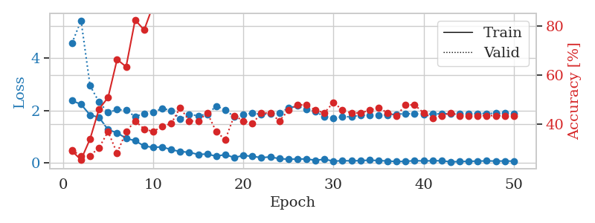
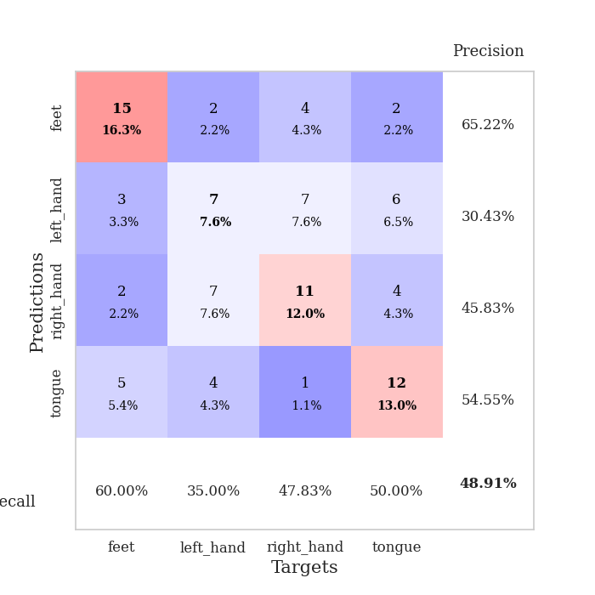
train_loss | valid_loss | train_accuracy | valid_accuracy | dur | train_misclass | valid_misclass
2.3741003036 | 4.5714429358 | 0.29076086957 | 0.29347826087 | 0.035313844681 | 29.076086957 | 29.347826087
2.2356858492 | 5.4442006194 | 0.25543478261 | 0.27173913043 | 0.034571647644 | 25.543478261 | 27.173913043
1.8262595892 | 2.9498042542 | 0.33967391304 | 0.27173913043 | 0.0334815979 | 33.967391304 | 27.173913043
1.736290741 | 2.3211509248 | 0.46195652174 | 0.30434782609 | 0.033225059509 | 46.195652174 | 30.434782609
1.2629508257 | 1.918649461 | 0.50815217391 | 0.36956521739 | 0.033612251282 | 50.815217391 | 36.956521739
1.1446366191 | 2.0338287457 | 0.66304347826 | 0.28260869565 | 0.034442663193 | 66.304347826 | 28.260869565
0.93361568451 | 2.0103333877 | 0.63315217391 | 0.36956521739 | 0.033285140991 | 63.315217391 | 36.956521739
0.84195742607 | 1.7632323503 | 0.82336956522 | 0.41304347826 | 0.033270597458 | 82.336956522 | 41.304347826
0.63854523897 | 1.8872615306 | 0.78260869565 | 0.38043478261 | 0.033687114716 | 78.260869565 | 38.043478261
0.58708790541 | 1.9229060722 | 0.88315217391 | 0.36956521739 | 0.03328537941 | 88.315217391 | 36.956521739
0.60644369721 | 2.0772368649 | 0.875 | 0.39130434783 | 0.033311605453 | 87.5 | 39.130434783
0.49794889092 | 1.9989283292 | 0.89673913043 | 0.40217391304 | 0.033376693726 | 89.673913043 | 40.217391304
0.42878749371 | 1.6717319748 | 0.97010869565 | 0.46739130435 | 0.033265113831 | 97.010869565 | 46.739130435
0.398456043 | 1.8472879451 | 0.89673913043 | 0.41304347826 | 0.034635543823 | 89.673913043 | 41.304347826
0.31546868086 | 1.7970308739 | 0.97010869565 | 0.41304347826 | 0.033463001251 | 97.010869565 | 41.304347826
0.33433769941 | 1.8570353104 | 0.97554347826 | 0.44565217391 | 0.032073974609 | 97.554347826 | 44.565217391
0.2454538554 | 2.1617411116 | 0.98913043478 | 0.36956521739 | 0.032042503357 | 98.913043478 | 36.956521739
0.31342217028 | 2.0274214174 | 0.98097826087 | 0.33695652174 | 0.03208732605 | 98.097826087 | 33.695652174
0.19205829501 | 1.7481994111 | 0.98641304348 | 0.4347826087 | 0.032046556473 | 98.641304348 | 43.47826087
0.28156227469 | 1.8384560036 | 0.98913043478 | 0.41304347826 | 0.032436609268 | 98.913043478 | 41.304347826
0.24247082472 | 1.8999403249 | 0.98913043478 | 0.40217391304 | 0.034282445908 | 98.913043478 | 40.217391304
0.19629927278 | 1.8419986134 | 0.99456521739 | 0.44565217391 | 0.034242630005 | 99.456521739 | 44.565217391
0.22197636664 | 1.8832036049 | 0.98913043478 | 0.44565217391 | 0.034126996994 | 98.913043478 | 44.565217391
0.15400398821 | 1.9087117962 | 1 | 0.41304347826 | 0.034146785736 | 100 | 41.304347826
0.13364156932 | 2.0898729926 | 1 | 0.45652173913 | 0.034125804901 | 100 | 45.652173913
0.13899615705 | 2.1742104396 | 0.9972826087 | 0.47826086957 | 0.033865213394 | 99.72826087 | 47.826086957
0.14522017688 | 2.0355432345 | 0.99456521739 | 0.47826086957 | 0.034501552582 | 99.456521739 | 47.826086957
0.093348243833 | 1.9630536411 | 0.99456521739 | 0.45652173913 | 0.03417301178 | 99.456521739 | 45.652173913
0.13096551746 | 1.7515288229 | 1 | 0.44565217391 | 0.03326010704 | 100 | 44.565217391
0.060125861317 | 1.7161487341 | 1 | 0.48913043478 | 0.033234596252 | 100 | 48.913043478
0.076020321995 | 1.7473857144 | 1 | 0.45652173913 | 0.034513235092 | 100 | 45.652173913
0.072073502839 | 1.7667916495 | 1 | 0.44565217391 | 0.034175157547 | 100 | 44.565217391
0.07865560092 | 1.815422224 | 1 | 0.44565217391 | 0.033892631531 | 100 | 44.565217391
0.098504701257 | 1.8211222576 | 1 | 0.45652173913 | 0.033095836639 | 100 | 45.652173913
0.081401687488 | 1.825536277 | 1 | 0.46739130435 | 0.033138275146 | 100 | 46.739130435
0.066797866672 | 1.8307060625 | 1 | 0.44565217391 | 0.033075332642 | 100 | 44.565217391
0.044084265828 | 1.8592553191 | 1 | 0.4347826087 | 0.033191204071 | 100 | 43.47826087
0.054395787418 | 1.8758283594 | 1 | 0.47826086957 | 0.033178806305 | 100 | 47.826086957
0.077427616343 | 1.8719904993 | 1 | 0.47826086957 | 0.033157348633 | 100 | 47.826086957
0.068507863581 | 1.8591519957 | 1 | 0.44565217391 | 0.033060312271 | 100 | 44.565217391
0.073655835167 | 1.8623747255 | 1 | 0.42391304348 | 0.033268451691 | 100 | 42.391304348
0.075776588172 | 1.8729700057 | 1 | 0.4347826087 | 0.033309221268 | 100 | 43.47826087
0.032859769277 | 1.8776146122 | 1 | 0.44565217391 | 0.033064842224 | 100 | 44.565217391
0.046575414762 | 1.8848232964 | 1 | 0.4347826087 | 0.033078670502 | 100 | 43.47826087
0.052831470128 | 1.8883359743 | 1 | 0.4347826087 | 0.033141851425 | 100 | 43.47826087
0.06280441843 | 1.8869152121 | 1 | 0.4347826087 | 0.033954620361 | 100 | 43.47826087
0.068390952423 | 1.887761598 | 1 | 0.4347826087 | 0.034020423889 | 100 | 43.47826087
0.064634227008 | 1.8891513296 | 1 | 0.4347826087 | 0.033167600632 | 100 | 43.47826087
0.064563574269 | 1.8889807515 | 1 | 0.4347826087 | 0.033131599426 | 100 | 43.47826087
0.060964372568 | 1.8880427039 | 1 | 0.4347826087 | 0.033133983612 | 100 | 43.47826087

Best Val accuracy is 0.4891304347826087 and Best test accuracy is 0.49137931034482757

Sheet3
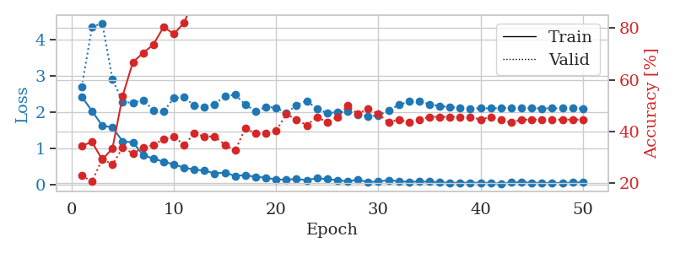
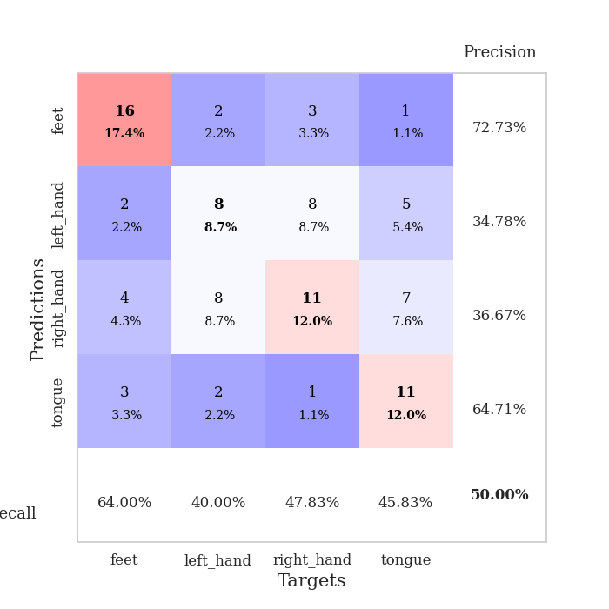
train_loss | valid_loss | train_accuracy | valid_accuracy | dur | train_misclass | valid_misclass
2.4268409252 | 2.7073570127 | 0.34510869565 | 0.22826086957 | 0.035648107529 | 34.510869565 | 22.826086957
2.0336933613 | 4.3571985494 | 0.35869565217 | 0.20652173913 | 0.034489870071 | 35.869565217 | 20.652173913
1.6257194042 | 4.458436344 | 0.29076086957 | 0.29347826087 | 0.033376693726 | 29.076086957 | 29.347826087
1.5803275585 | 2.9088987889 | 0.33423913043 | 0.27173913043 | 0.034680366516 | 33.423913043 | 27.173913043
1.1925223112 | 2.2812580389 | 0.53804347826 | 0.33695652174 | 0.033650875092 | 53.804347826 | 33.695652174
1.1691197395 | 2.2586953018 | 0.66847826087 | 0.3152173913 | 0.034558057785 | 66.847826087 | 31.52173913
0.81515766382 | 2.3349834162 | 0.70380434783 | 0.33695652174 | 0.033558607101 | 70.380434783 | 33.695652174
0.71758908033 | 2.0550542396 | 0.73641304348 | 0.34782608696 | 0.033480882645 | 73.641304348 | 34.782608696
0.63308455944 | 2.0224585533 | 0.80434782609 | 0.36956521739 | 0.035171508789 | 80.434782609 | 36.956521739
0.5577026248 | 2.3889138491 | 0.77717391304 | 0.38043478261 | 0.034153699875 | 77.717391304 | 38.043478261
0.46778738499 | 2.4200726281 | 0.82065217391 | 0.34782608696 | 0.033978939056 | 82.065217391 | 34.782608696
0.41548780799 | 2.1795831608 | 0.91576086957 | 0.39130434783 | 0.033562898636 | 91.576086957 | 39.130434783
0.38645367622 | 2.1437973199 | 0.92663043478 | 0.38043478261 | 0.032950401306 | 92.663043478 | 38.043478261
0.31074088216 | 2.2209305038 | 0.97010869565 | 0.38043478261 | 0.032170295715 | 97.010869565 | 38.043478261
0.33038494587 | 2.4533578002 | 0.92663043478 | 0.34782608696 | 0.03774356842 | 92.663043478 | 34.782608696
0.23982273638 | 2.4797581693 | 0.89402173913 | 0.32608695652 | 0.034114599228 | 89.402173913 | 32.608695652
0.26155246198 | 2.2062342478 | 0.97010869565 | 0.41304347826 | 0.03333568573 | 97.010869565 | 41.304347826
0.21311573088 | 2.027142079 | 0.98913043478 | 0.39130434783 | 0.034314870834 | 98.913043478 | 39.130434783
0.19311392158 | 2.1416790589 | 0.99184782609 | 0.39130434783 | 0.034302711487 | 99.184782609 | 39.130434783
0.13866498023 | 2.129017861 | 0.99184782609 | 0.40217391304 | 0.034531116486 | 99.184782609 | 40.217391304
0.13924866468 | 1.9744649763 | 0.98641304348 | 0.46739130435 | 0.034092187881 | 98.641304348 | 46.739130435
0.15288977474 | 2.1914643153 | 0.99456521739 | 0.44565217391 | 0.034198522568 | 99.456521739 | 44.565217391
0.12421255484 | 2.3153950546 | 0.99456521739 | 0.42391304348 | 0.034230709076 | 99.456521739 | 42.391304348
0.17712072134 | 2.0901071818 | 0.9972826087 | 0.45652173913 | 0.033166885376 | 99.72826087 | 45.652173913
0.14959962666 | 1.9810647705 | 1 | 0.4347826087 | 0.03311085701 | 100 | 43.47826087
0.12438717484 | 1.9960184667 | 0.9972826087 | 0.45652173913 | 0.033057689667 | 99.72826087 | 45.652173913
0.087659199536 | 2.0259547026 | 0.9972826087 | 0.5 | 0.033151388168 | 99.72826087 | 50
0.13613528311 | 1.9385305384 | 1 | 0.46739130435 | 0.034128665924 | 100 | 46.739130435
0.069781903177 | 1.8794747643 | 0.9972826087 | 0.48913043478 | 0.033164978027 | 99.72826087 | 48.913043478
0.087879993021 | 1.9156758578 | 1 | 0.46739130435 | 0.033111572266 | 100 | 46.739130435
0.12209581435 | 2.0472529453 | 1 | 0.4347826087 | 0.033165216446 | 100 | 43.47826087
0.091393987089 | 2.1990475758 | 1 | 0.44565217391 | 0.033019304276 | 100 | 44.565217391
0.078655295447 | 2.2963445238 | 1 | 0.4347826087 | 0.033137798309 | 100 | 43.47826087
0.084318628162 | 2.3035436143 | 1 | 0.44565217391 | 0.033085823059 | 100 | 44.565217391
0.079724521935 | 2.2213416411 | 1 | 0.45652173913 | 0.033269166946 | 100 | 45.652173913
0.066335356981 | 2.1715164547 | 1 | 0.45652173913 | 0.033200502396 | 100 | 45.652173913
0.047890497558 | 2.1359567383 | 1 | 0.45652173913 | 0.03531908989 | 100 | 45.652173913
0.053796296194 | 2.1266789592 | 1 | 0.45652173913 | 0.033331155777 | 100 | 45.652173913
0.053564959019 | 2.1057081067 | 1 | 0.45652173913 | 0.033591270447 | 100 | 45.652173913
0.051387685537 | 2.106791942 | 1 | 0.44565217391 | 0.033429384232 | 100 | 44.565217391
0.046673373133 | 2.1064791731 | 1 | 0.45652173913 | 0.034526348114 | 100 | 45.652173913
0.026776408032 | 2.1119145259 | 1 | 0.44565217391 | 0.033403158188 | 100 | 44.565217391
0.056545145065 | 2.1191417134 | 1 | 0.4347826087 | 0.033234119415 | 100 | 43.47826087
0.065747990459 | 2.1150217937 | 1 | 0.44565217391 | 0.033302783966 | 100 | 44.565217391
0.052610007301 | 2.1085674711 | 1 | 0.44565217391 | 0.033276796341 | 100 | 44.565217391
0.045566020906 | 2.1054590785 | 1 | 0.44565217391 | 0.0334379673 | 100 | 44.565217391
0.049271874875 | 2.1078240923 | 1 | 0.44565217391 | 0.033544063568 | 100 | 44.565217391
0.042514778301 | 2.1058355103 | 1 | 0.44565217391 | 0.03364109993 | 100 | 44.565217391
0.055714539438 | 2.1062922011 | 1 | 0.44565217391 | 0.03431892395 | 100 | 44.565217391
0.064605253935 | 2.1057031777 | 1 | 0.44565217391 | 0.033211231232 | 100 | 44.565217391

Best Val accuracy is 0.5 and Best test accuracy is 0.47413793103448276

Sheet4
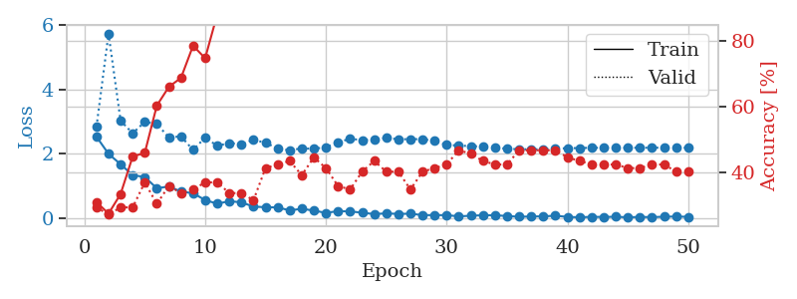
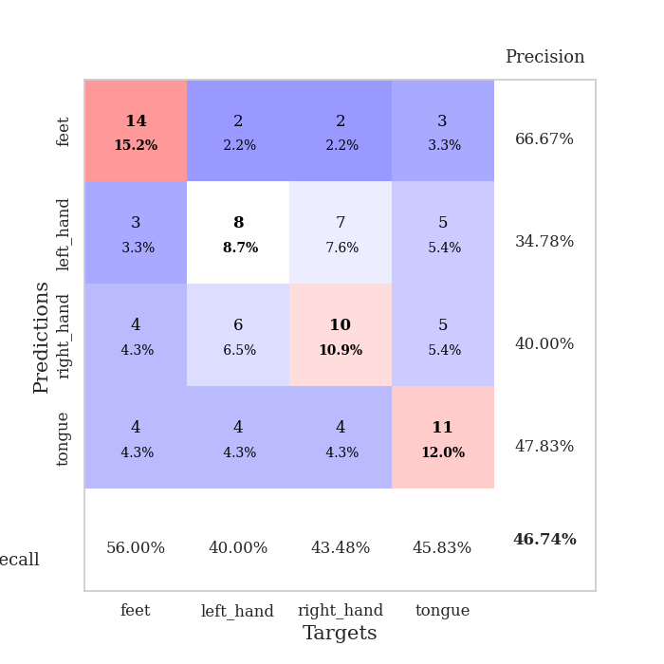
train_loss | valid_loss | train_accuracy | valid_accuracy | dur | train_misclass | valid_misclass
2.5343187809 | 2.8370567508 | 0.3097826087 | 0.29347826087 | 0.035066604614 | 30.97826087 | 29.347826087
2.0034600973 | 5.7279130687 | 0.27445652174 | 0.27173913043 | 0.033990859985 | 27.445652174 | 27.173913043
1.6796819448 | 3.0267604641 | 0.33423913043 | 0.29347826087 | 0.033479213715 | 33.423913043 | 29.347826087
1.3411517143 | 2.6401027493 | 0.44836956522 | 0.29347826087 | 0.032846450806 | 44.836956522 | 29.347826087
1.2870176554 | 2.9946989288 | 0.45923913043 | 0.36956521739 | 0.032969474792 | 45.923913043 | 36.956521739
0.93559758663 | 2.9298986041 | 0.60326086957 | 0.30434782609 | 0.033496141434 | 60.326086957 | 30.434782609
0.99300377369 | 2.510078482 | 0.66032608696 | 0.35869565217 | 0.032908678055 | 66.032608696 | 35.869565217
0.8332829237 | 2.5461279102 | 0.6875 | 0.33695652174 | 0.032809734344 | 68.75 | 33.695652174
0.78340560198 | 2.1228421149 | 0.78532608696 | 0.34782608696 | 0.032920837402 | 78.532608696 | 34.782608696
0.57078201771 | 2.5076339038 | 0.7472826087 | 0.36956521739 | 0.03281712532 | 74.72826087 | 36.956521739
0.4574907124 | 2.2507597985 | 0.88043478261 | 0.36956521739 | 0.032882928848 | 88.043478261 | 36.956521739
0.53638874292 | 2.3364515823 | 0.89673913043 | 0.33695652174 | 0.032829046249 | 89.673913043 | 33.695652174
0.5009860158 | 2.3071299947 | 0.95652173913 | 0.33695652174 | 0.032965660095 | 95.652173913 | 33.695652174
0.36880348325 | 2.432235469 | 0.94293478261 | 0.3152173913 | 0.032931089401 | 94.293478261 | 31.52173913
0.34899522066 | 2.3498166022 | 0.91304347826 | 0.41304347826 | 0.032833576202 | 91.304347826 | 41.304347826
0.34416966736 | 2.1635379584 | 0.96739130435 | 0.42391304348 | 0.034068822861 | 96.739130435 | 42.391304348
0.25122095942 | 2.1120719858 | 0.98369565217 | 0.4347826087 | 0.033494710922 | 98.369565217 | 43.47826087
0.30051293671 | 2.1742193492 | 0.97826086957 | 0.39130434783 | 0.033245563507 | 97.826086957 | 39.130434783
0.24517402649 | 2.1588918748 | 0.98913043478 | 0.44565217391 | 0.032860279083 | 98.913043478 | 44.565217391
0.17254769504 | 2.2112969212 | 0.98913043478 | 0.41304347826 | 0.033934593201 | 98.913043478 | 41.304347826
0.22963773608 | 2.3548322553 | 0.9972826087 | 0.35869565217 | 0.033177375793 | 99.72826087 | 35.869565217
0.21958111525 | 2.4739064859 | 0.99456521739 | 0.34782608696 | 0.032886743546 | 99.456521739 | 34.782608696
0.17988583446 | 2.424737526 | 0.9972826087 | 0.40217391304 | 0.033143997192 | 99.72826087 | 40.217391304
0.13588374928 | 2.4550574344 | 1 | 0.4347826087 | 0.032897233963 | 100 | 43.47826087
0.15914947242 | 2.4933609859 | 1 | 0.40217391304 | 0.033027410507 | 100 | 40.217391304
0.14081850201 | 2.4567236486 | 1 | 0.40217391304 | 0.032979011536 | 100 | 40.217391304
0.14999489635 | 2.4585015566 | 1 | 0.34782608696 | 0.032956600189 | 100 | 34.782608696
0.10404960588 | 2.4607687307 | 0.9972826087 | 0.40217391304 | 0.033015012741 | 99.72826087 | 40.217391304
0.10470361412 | 2.4008247852 | 1 | 0.41304347826 | 0.032764911652 | 100 | 41.304347826
0.10382579267 | 2.2846678029 | 1 | 0.42391304348 | 0.033000707626 | 100 | 42.391304348
0.065780346841 | 2.2584017774 | 1 | 0.46739130435 | 0.032861471176 | 100 | 46.739130435
0.085566723347 | 2.2452573051 | 1 | 0.45652173913 | 0.033298015594 | 100 | 45.652173913
0.10032371655 | 2.2263953789 | 1 | 0.4347826087 | 0.032456159592 | 100 | 43.47826087
0.10057763979 | 2.196193042 | 1 | 0.42391304348 | 0.033712625504 | 100 | 42.391304348
0.075851225108 | 2.1620563217 | 1 | 0.42391304348 | 0.0328540802 | 100 | 42.391304348
0.053901432827 | 2.1458450297 | 1 | 0.46739130435 | 0.032661437988 | 100 | 46.739130435
0.061225994676 | 2.1442848599 | 1 | 0.46739130435 | 0.032883644104 | 100 | 46.739130435
0.06710852012 | 2.1490739117 | 1 | 0.46739130435 | 0.032957077026 | 100 | 46.739130435
0.085315924883 | 2.1669299499 | 1 | 0.46739130435 | 0.032960891724 | 100 | 46.739130435
0.050029237568 | 2.1775606715 | 1 | 0.44565217391 | 0.032858610153 | 100 | 44.565217391
0.036891886964 | 2.1839274324 | 1 | 0.4347826087 | 0.032804489136 | 100 | 43.47826087
0.051481899992 | 2.1914653467 | 1 | 0.42391304348 | 0.032893896103 | 100 | 42.391304348
0.046804757789 | 2.1902700196 | 1 | 0.42391304348 | 0.032905817032 | 100 | 42.391304348
0.053581295162 | 2.1893211966 | 1 | 0.42391304348 | 0.03288435936 | 100 | 42.391304348
0.036665920541 | 2.1913805423 | 1 | 0.41304347826 | 0.032835960388 | 100 | 41.304347826
0.048187013716 | 2.191716474 | 1 | 0.41304347826 | 0.032795190811 | 100 | 41.304347826
0.04257700257 | 2.1935522556 | 1 | 0.42391304348 | 0.034964323044 | 100 | 42.391304348
0.053823525459 | 2.1922722588 | 1 | 0.42391304348 | 0.033076524734 | 100 | 42.391304348
0.061172199994 | 2.1921227808 | 1 | 0.40217391304 | 0.032690048218 | 100 | 40.217391304
0.051154034585 | 2.1917274517 | 1 | 0.40217391304 | 0.03262424469 | 100 | 40.217391304

Best Val accuracy is 0.4673913043478261 and Best test accuracy is 0.5258620689655172

Sheet5
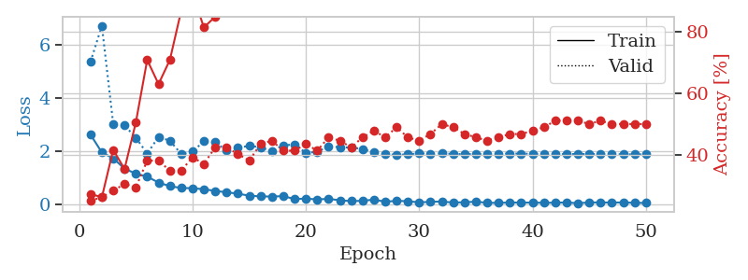
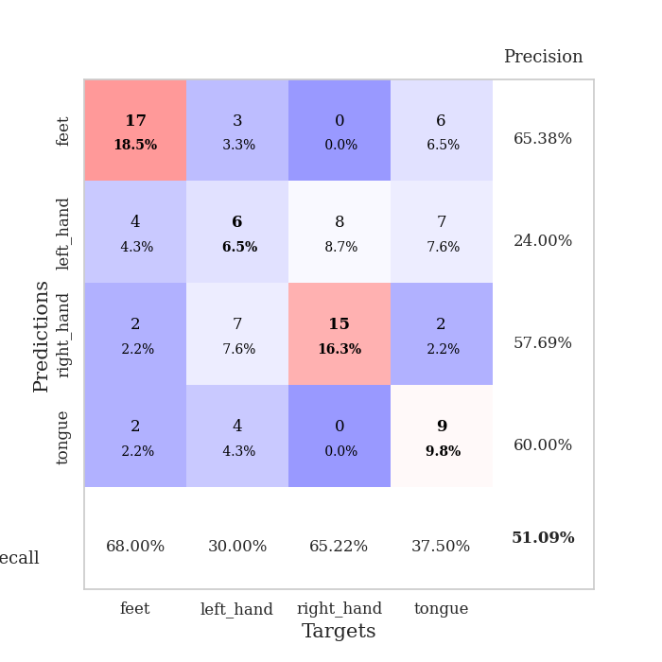
train_loss | valid_loss | train_accuracy | valid_accuracy | dur | train_misclass | valid_misclass
2.6183657169 | 5.3684311535 | 0.27173913043 | 0.25 | 0.035144329071 | 27.173913043 | 25
1.9454379797 | 6.7306856694 | 0.26086956522 | 0.26086956522 | 0.034163713455 | 26.086956522 | 26.086956522
1.7260275602 | 3.0273603045 | 0.41576086957 | 0.28260869565 | 0.034183979034 | 41.576086957 | 28.260869565
1.3343950748 | 2.9640800331 | 0.35326086957 | 0.30434782609 | 0.034090995789 | 35.326086957 | 30.434782609
1.1451252699 | 2.5027306443 | 0.50543478261 | 0.29347826087 | 0.034356355667 | 50.543478261 | 29.347826087
1.0336510658 | 1.9030554865 | 0.70923913043 | 0.38043478261 | 0.033222198486 | 70.923913043 | 38.043478261
0.80964159966 | 2.5335673249 | 0.63043478261 | 0.38043478261 | 0.034612178802 | 63.043478261 | 38.043478261
0.6734480381 | 2.3878699075 | 0.70923913043 | 0.34782608696 | 0.033268928528 | 70.923913043 | 34.782608696
0.60379741192 | 1.8897849425 | 0.86956521739 | 0.34782608696 | 0.033211946487 | 86.956521739 | 34.782608696
0.59679318666 | 1.9785985584 | 0.92663043478 | 0.39130434783 | 0.033209323883 | 92.663043478 | 39.130434783
0.55785782337 | 2.3675610915 | 0.8152173913 | 0.36956521739 | 0.034311294556 | 81.52173913 | 36.956521739
0.49487711191 | 2.3347190981 | 0.85054347826 | 0.42391304348 | 0.033962011337 | 85.054347826 | 42.391304348
0.44213523865 | 2.0115021312 | 0.96739130435 | 0.42391304348 | 0.034182310104 | 96.739130435 | 42.391304348
0.39121075273 | 2.1205847004 | 0.97554347826 | 0.40217391304 | 0.034142494202 | 97.554347826 | 40.217391304
0.31322876811 | 2.1957698905 | 0.96739130435 | 0.38043478261 | 0.033235311508 | 96.739130435 | 38.043478261
0.28878911138 | 2.1404316425 | 0.93206521739 | 0.4347826087 | 0.033278942108 | 93.206521739 | 43.47826087
0.28077457249 | 1.9873943277 | 0.98641304348 | 0.44565217391 | 0.03440117836 | 98.641304348 | 44.565217391
0.29890216589 | 2.2204660955 | 0.97826086957 | 0.41304347826 | 0.033893108368 | 97.826086957 | 41.304347826
0.1878401354 | 2.2411987108 | 0.96739130435 | 0.41304347826 | 0.033203601837 | 96.739130435 | 41.304347826
0.20280361772 | 1.9359578361 | 0.99456521739 | 0.4347826087 | 0.033330202103 | 99.456521739 | 43.47826087
0.17256506383 | 1.9645076057 | 1 | 0.41304347826 | 0.033210039139 | 100 | 41.304347826
0.19578116238 | 2.1817490277 | 0.9972826087 | 0.45652173913 | 0.033577919006 | 99.72826087 | 45.652173913
0.14026568085 | 2.1412644594 | 1 | 0.44565217391 | 0.034396409988 | 100 | 44.565217391
0.10875525028 | 2.1312628777 | 1 | 0.42391304348 | 0.033503293991 | 100 | 42.391304348
0.12074421793 | 2.0801838947 | 0.9972826087 | 0.45652173913 | 0.033372879028 | 99.72826087 | 45.652173913
0.1669570893 | 1.949891448 | 1 | 0.47826086957 | 0.033439874649 | 100 | 47.826086957
0.085732226074 | 1.8888882243 | 1 | 0.45652173913 | 0.034665584564 | 100 | 45.652173913
0.11983490065 | 1.85167111 | 1 | 0.48913043478 | 0.033455610275 | 100 | 48.913043478
0.10391849726 | 1.8764960818 | 1 | 0.45652173913 | 0.034686088562 | 100 | 45.652173913
0.062009415776 | 1.9062321653 | 1 | 0.44565217391 | 0.033607959747 | 100 | 44.565217391
0.082404138893 | 1.9022961233 | 1 | 0.46739130435 | 0.033460378647 | 100 | 46.739130435
0.093412470073 | 1.9059447517 | 1 | 0.5 | 0.033505916595 | 100 | 50
0.054377224296 | 1.8888553951 | 1 | 0.48913043478 | 0.034844875336 | 100 | 48.913043478
0.066021514684 | 1.8794657718 | 1 | 0.46739130435 | 0.033452987671 | 100 | 46.739130435
0.085964973271 | 1.8837663298 | 1 | 0.45652173913 | 0.033522129059 | 100 | 45.652173913
0.04673912935 | 1.8947373525 | 1 | 0.44565217391 | 0.033449649811 | 100 | 44.565217391
0.041352884099 | 1.9020560254 | 1 | 0.45652173913 | 0.033517837524 | 100 | 45.652173913
0.057689740881 | 1.9021605875 | 1 | 0.46739130435 | 0.033395528793 | 100 | 46.739130435
0.052710249647 | 1.9021707618 | 1 | 0.46739130435 | 0.033392906189 | 100 | 46.739130435
0.052812221274 | 1.8923789677 | 1 | 0.47826086957 | 0.03352022171 | 100 | 47.826086957
0.045036133006 | 1.8845557285 | 1 | 0.48913043478 | 0.033443927765 | 100 | 48.913043478
0.049423701316 | 1.8802058697 | 1 | 0.51086956522 | 0.033543348312 | 100 | 51.086956522
0.058668417111 | 1.883614509 | 1 | 0.51086956522 | 0.034561395645 | 100 | 51.086956522
0.029372962192 | 1.8864109983 | 1 | 0.51086956522 | 0.03355050087 | 100 | 51.086956522
0.059658298641 | 1.8855899469 | 1 | 0.5 | 0.033473491669 | 100 | 50
0.058288676292 | 1.8849816011 | 1 | 0.51086956522 | 0.033705472946 | 100 | 51.086956522
0.055864196271 | 1.8789986009 | 1 | 0.5 | 0.033546924591 | 100 | 50
0.058972597867 | 1.8751970374 | 1 | 0.5 | 0.033587694168 | 100 | 50
0.045933491364 | 1.8721711014 | 1 | 0.5 | 0.033540487289 | 100 | 50
0.039002251625 | 1.8724034299 | 1 | 0.5 | 0.03355717659 | 100 | 50

Best Val accuracy is 0.5108695652173914 and Best test accuracy is 0.5

Sheet6
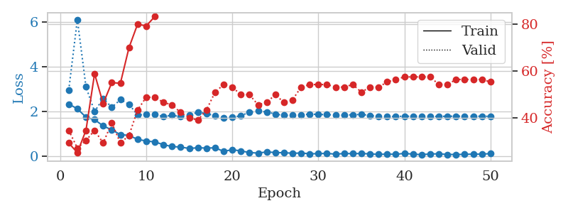
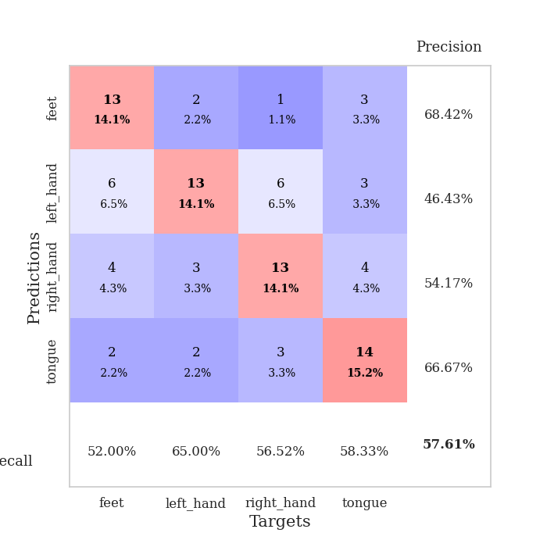
train_loss | valid_loss | train_accuracy | valid_accuracy | dur | train_misclass | valid_misclass
2.32256248 | 2.9506777888 | 0.29347826087 | 0.34782608696 | 0.034918546677 | 29.347826087 | 34.782608696
2.1129257202 | 6.1125695602 | 0.2527173913 | 0.27173913043 | 0.034109830856 | 25.27173913 | 27.173913043
1.7335627317 | 3.095164496 | 0.34782608696 | 0.30434782609 | 0.034003019333 | 34.782608696 | 30.434782609
1.624462986 | 1.9860455316 | 0.58967391304 | 0.34782608696 | 0.033054828644 | 58.967391304 | 34.782608696
1.3429579496 | 2.5763500048 | 0.46195652174 | 0.29347826087 | 0.033015727997 | 46.195652174 | 29.347826087
1.1646804333 | 2.1735279975 | 0.55163043478 | 0.38043478261 | 0.035367488861 | 55.163043478 | 38.043478261
0.95434155464 | 2.5216518174 | 0.54891304348 | 0.29347826087 | 0.037957191467 | 54.891304348 | 29.347826087
0.91696876287 | 2.3131215158 | 0.70108695652 | 0.32608695652 | 0.033499956131 | 70.108695652 | 32.608695652
0.73880672455 | 1.8308346116 | 0.80163043478 | 0.4347826087 | 0.03312087059 | 80.163043478 | 43.47826087
0.66871763468 | 1.8573998627 | 0.79347826087 | 0.48913043478 | 0.034119367599 | 79.347826087 | 48.913043478
0.62539067268 | 1.8605816779 | 0.83423913043 | 0.48913043478 | 0.034277915955 | 83.423913043 | 48.913043478
0.5034018755 | 1.7588929042 | 0.9402173913 | 0.46739130435 | 0.033396959305 | 94.02173913 | 46.739130435
0.41676040888 | 1.8201367389 | 0.9347826087 | 0.45652173913 | 0.033159255981 | 93.47826087 | 45.652173913
0.39537789822 | 1.7580522765 | 0.94565217391 | 0.42391304348 | 0.033025026321 | 94.565217391 | 42.391304348
0.33241159916 | 1.8405777993 | 0.93206521739 | 0.40217391304 | 0.033121824265 | 93.206521739 | 40.217391304
0.36490597427 | 1.9524337675 | 0.95380434783 | 0.39130434783 | 0.033043146133 | 95.380434783 | 39.130434783
0.34867692888 | 1.9045486295 | 0.96739130435 | 0.4347826087 | 0.032956361771 | 96.739130435 | 43.47826087
0.36229750514 | 1.7851725869 | 0.98913043478 | 0.51086956522 | 0.032998323441 | 98.913043478 | 51.086956522
0.20079441667 | 1.7186205232 | 0.97826086957 | 0.54347826087 | 0.034335136414 | 97.826086957 | 54.347826087
0.27866437733 | 1.7235853206 | 0.99456521739 | 0.53260869565 | 0.034288644791 | 99.456521739 | 53.260869565
0.2197470963 | 1.8050656422 | 0.9972826087 | 0.5 | 0.033982515335 | 99.72826087 | 50
0.15116709024 | 1.956370504 | 0.99184782609 | 0.5 | 0.034023284912 | 99.184782609 | 50
0.12353084385 | 2.0133726286 | 0.99456521739 | 0.45652173913 | 0.033050298691 | 99.456521739 | 45.652173913
0.17774085104 | 1.9697117184 | 0.9972826087 | 0.46739130435 | 0.033123493195 | 99.72826087 | 46.739130435
0.14813162088 | 1.8751093253 | 0.99456521739 | 0.5 | 0.032978773117 | 99.456521739 | 50
0.14162567258 | 1.8155554015 | 0.9972826087 | 0.46739130435 | 0.033052921295 | 99.72826087 | 46.739130435
0.11812686473 | 1.8215548059 | 1 | 0.47826086957 | 0.034176826477 | 100 | 47.826086957
0.12702796757 | 1.8399671731 | 1 | 0.53260869565 | 0.033656835556 | 100 | 53.260869565
0.094808478653 | 1.8743372223 | 1 | 0.54347826087 | 0.033176660538 | 100 | 54.347826087
0.098947586119 | 1.8579949141 | 1 | 0.54347826087 | 0.033397436142 | 100 | 54.347826087
0.11295824051 | 1.8474346088 | 1 | 0.54347826087 | 0.033468484879 | 100 | 54.347826087
0.075618472695 | 1.8320557967 | 1 | 0.53260869565 | 0.033351182938 | 100 | 53.260869565
0.10695526563 | 1.8249741534 | 1 | 0.53260869565 | 0.033428192139 | 100 | 53.260869565
0.099268369377 | 1.8451342842 | 1 | 0.54347826087 | 0.03334569931 | 100 | 54.347826087
0.10570730641 | 1.8594122762 | 1 | 0.51086956522 | 0.033401250839 | 100 | 51.086956522
0.089356972277 | 1.812027615 | 1 | 0.53260869565 | 0.033407211304 | 100 | 53.260869565
0.06571966894 | 1.7670275284 | 1 | 0.53260869565 | 0.033390045166 | 100 | 53.260869565
0.080473255366 | 1.7578047825 | 1 | 0.55434782609 | 0.033366680145 | 100 | 55.434782609
0.068369387835 | 1.7675753365 | 1 | 0.5652173913 | 0.034477949142 | 100 | 56.52173913
0.11378500089 | 1.776002687 | 1 | 0.57608695652 | 0.034489154816 | 100 | 57.608695652
0.076225523651 | 1.7759877081 | 1 | 0.57608695652 | 0.034518957138 | 100 | 57.608695652
0.056732474267 | 1.7811180664 | 1 | 0.57608695652 | 0.033608675003 | 100 | 57.608695652
0.084696267545 | 1.7713469163 | 1 | 0.57608695652 | 0.033323526382 | 100 | 57.608695652
0.093534848094 | 1.7696762551 | 1 | 0.54347826087 | 0.033723115921 | 100 | 54.347826087
0.06216122359 | 1.7756724254 | 1 | 0.54347826087 | 0.034070968628 | 100 | 54.347826087
0.063624628633 | 1.7796851448 | 1 | 0.5652173913 | 0.03369808197 | 100 | 56.52173913
0.066837327182 | 1.7762460346 | 1 | 0.5652173913 | 0.033391475677 | 100 | 56.52173913
0.08111275509 | 1.7773239405 | 1 | 0.5652173913 | 0.033367156982 | 100 | 56.52173913
0.075232368708 | 1.7756555132 | 1 | 0.5652173913 | 0.033442020416 | 100 | 56.52173913
0.10370623246 | 1.7732484341 | 1 | 0.55434782609 | 0.033437013626 | 100 | 55.434782609

Best Val accuracy is 0.5760869565217391 and Best test accuracy is 0.4482758620689655

Sheet7
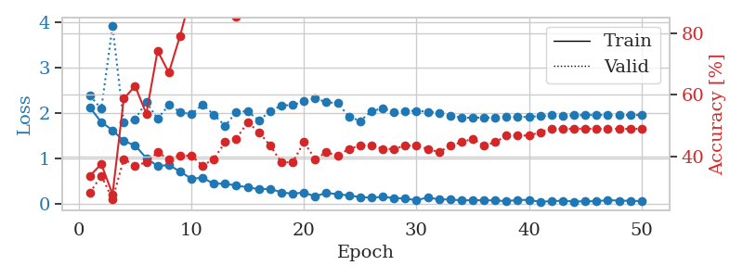
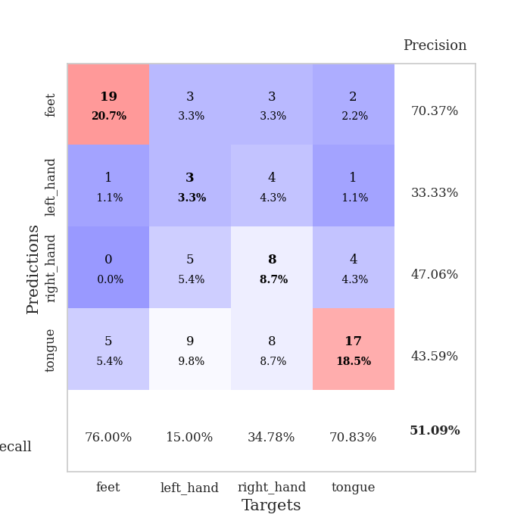
train_loss | valid_loss | train_accuracy | valid_accuracy | dur | train_misclass | valid_misclass
2.1170553684 | 2.3795293725 | 0.33695652174 | 0.28260869565 | 0.034966230392 | 33.695652174 | 28.260869565
1.7989645243 | 2.0930445298 | 0.375 | 0.33695652174 | 0.034289598465 | 37.5 | 33.695652174
1.6199053288 | 3.9189335367 | 0.27717391304 | 0.26086956522 | 0.034075021744 | 27.717391304 | 26.086956522
1.3818477869 | 1.7845972465 | 0.58695652174 | 0.39130434783 | 0.032934904099 | 58.695652174 | 39.130434783
1.2830328226 | 1.859665342 | 0.6277173913 | 0.36956521739 | 0.035367965698 | 62.77173913 | 36.956521739
1.0040027976 | 2.2458867819 | 0.53804347826 | 0.38043478261 | 0.032843589783 | 53.804347826 | 38.043478261
0.82667284012 | 1.872575651 | 0.74184782609 | 0.41304347826 | 0.032654762268 | 74.184782609 | 41.304347826
0.85084342957 | 2.1767808769 | 0.67119565217 | 0.39130434783 | 0.034714221954 | 67.119565217 | 39.130434783
0.70581781864 | 2.0248475904 | 0.79076086957 | 0.40217391304 | 0.03296661377 | 79.076086957 | 40.217391304
0.54717078209 | 1.9703367378 | 0.92663043478 | 0.40217391304 | 0.033002138138 | 92.663043478 | 40.217391304
0.56794516444 | 2.1915219556 | 0.90760869565 | 0.36956521739 | 0.032804012299 | 90.760869565 | 36.956521739
0.43435825109 | 1.9624186806 | 0.91032608696 | 0.39130434783 | 0.032925844193 | 91.032608696 | 39.130434783
0.44093269706 | 1.7148503428 | 0.95652173913 | 0.44565217391 | 0.03289604187 | 95.652173913 | 44.565217391
0.39169157147 | 2.0266353462 | 0.85326086957 | 0.45652173913 | 0.033130407333 | 85.326086957 | 45.652173913
0.35990058184 | 2.0382827054 | 0.90217391304 | 0.51086956522 | 0.033090353012 | 90.217391304 | 51.086956522
0.31383069605 | 1.8382578259 | 0.96467391304 | 0.47826086957 | 0.035760641098 | 96.467391304 | 47.826086957
0.32458713949 | 2.0348510587 | 0.98641304348 | 0.4347826087 | 0.03289604187 | 98.641304348 | 43.47826087
0.24441620111 | 2.1676168131 | 0.98641304348 | 0.38043478261 | 0.032653093338 | 98.641304348 | 38.043478261
0.21562397629 | 2.1758841846 | 0.99184782609 | 0.38043478261 | 0.032653093338 | 99.184782609 | 38.043478261
0.24125523865 | 2.2582542067 | 0.98913043478 | 0.44565217391 | 0.032589912415 | 98.913043478 | 44.565217391
0.15628088564 | 2.3212294268 | 0.99184782609 | 0.39130434783 | 0.032814025879 | 99.184782609 | 39.130434783
0.23654251397 | 2.2423730311 | 0.98913043478 | 0.41304347826 | 0.032922029495 | 98.913043478 | 41.304347826
0.20204527229 | 2.216692147 | 0.98097826087 | 0.40217391304 | 0.032975196838 | 98.097826087 | 40.217391304
0.17853716314 | 1.9222607509 | 0.98913043478 | 0.42391304348 | 0.032864570618 | 98.913043478 | 42.391304348
0.13916696161 | 1.8235796534 | 1 | 0.4347826087 | 0.033032894135 | 100 | 43.47826087
0.12991761863 | 2.039253608 | 0.9972826087 | 0.4347826087 | 0.033217430115 | 99.72826087 | 43.47826087
0.14437648207 | 2.1052182135 | 0.9972826087 | 0.42391304348 | 0.03319144249 | 99.72826087 | 42.391304348
0.11994005889 | 2.0272123295 | 1 | 0.42391304348 | 0.033131361008 | 100 | 42.391304348
0.10654747188 | 2.0425018539 | 1 | 0.4347826087 | 0.033169984818 | 100 | 43.47826087
0.071905536205 | 2.0497246929 | 1 | 0.4347826087 | 0.033093452454 | 100 | 43.47826087
0.13242868632 | 2.0299247866 | 1 | 0.42391304348 | 0.033072710037 | 100 | 42.391304348
0.089827808738 | 2.002166323 | 1 | 0.41304347826 | 0.033230304718 | 100 | 41.304347826
0.086593256891 | 1.9375000985 | 1 | 0.4347826087 | 0.036699056625 | 100 | 43.47826087
0.068946391344 | 1.895643426 | 1 | 0.44565217391 | 0.03319978714 | 100 | 44.565217391
0.071017544717 | 1.8969772899 | 1 | 0.45652173913 | 0.033047199249 | 100 | 45.652173913
0.070677930862 | 1.9010797117 | 1 | 0.4347826087 | 0.033167123795 | 100 | 43.47826087
0.067286898568 | 1.8927596134 | 1 | 0.44565217391 | 0.033175230026 | 100 | 44.565217391
0.049958365411 | 1.9139946595 | 1 | 0.46739130435 | 0.03316950798 | 100 | 46.739130435
0.078041293472 | 1.9117779213 | 1 | 0.46739130435 | 0.03316450119 | 100 | 46.739130435
0.076248722523 | 1.9171775424 | 1 | 0.46739130435 | 0.033039093018 | 100 | 46.739130435
0.035956920311 | 1.9328167335 | 1 | 0.47826086957 | 0.033073663712 | 100 | 47.826086957
0.05083848685 | 1.9492129554 | 1 | 0.48913043478 | 0.033105611801 | 100 | 48.913043478
0.060821481049 | 1.9474634813 | 1 | 0.48913043478 | 0.033245563507 | 100 | 48.913043478
0.041452164575 | 1.9498642528 | 1 | 0.48913043478 | 0.033167123795 | 100 | 48.913043478
0.049366468191 | 1.9543653364 | 1 | 0.48913043478 | 0.033162117004 | 100 | 48.913043478
0.047197372466 | 1.9573230018 | 1 | 0.48913043478 | 0.033216714859 | 100 | 48.913043478
0.075156578235 | 1.9559794405 | 1 | 0.48913043478 | 0.033170938492 | 100 | 48.913043478
0.061587706953 | 1.9547847043 | 1 | 0.48913043478 | 0.033083200455 | 100 | 48.913043478
0.058657772094 | 1.9545529925 | 1 | 0.48913043478 | 0.033163785934 | 100 | 48.913043478
0.051466995478 | 1.9563172071 | 1 | 0.48913043478 | 0.033133029938 | 100 | 48.913043478

Best Val accuracy is 0.5108695652173914 and Best test accuracy is 0.33620689655172414

Sheet8
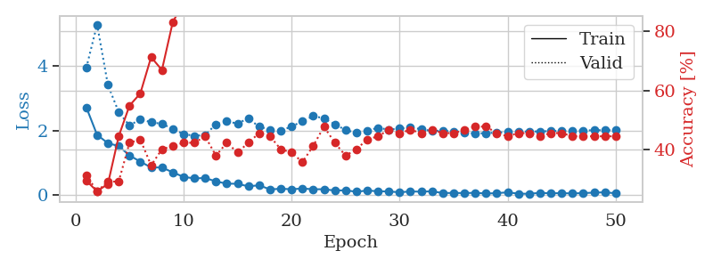
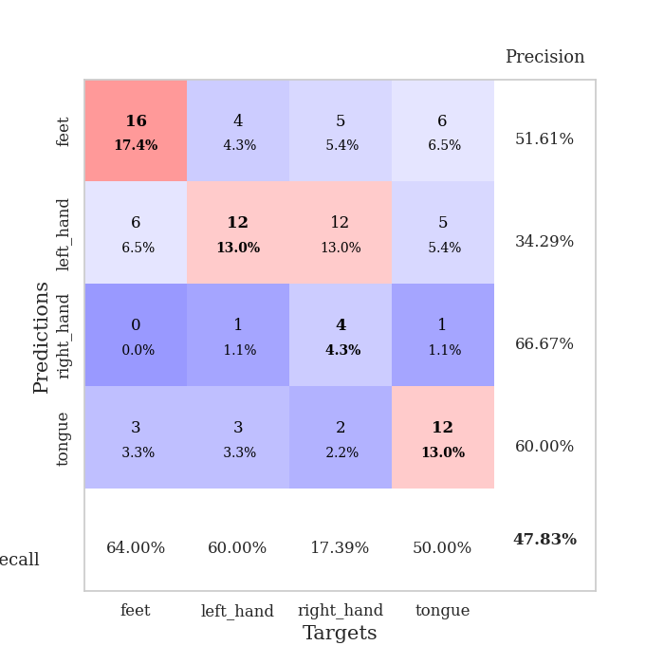
train_loss | valid_loss | train_accuracy | valid_accuracy | dur | train_misclass | valid_misclass
2.7248763561 | 3.9511373561 | 0.29619565217 | 0.3152173913 | 0.035281896591 | 29.619565217 | 31.52173913
1.8655800819 | 5.3013504692 | 0.26086956522 | 0.26086956522 | 0.036288976669 | 26.086956522 | 26.086956522
1.6085932732 | 3.41915708 | 0.28532608696 | 0.29347826087 | 0.034022092819 | 28.532608696 | 29.347826087
1.5165155172 | 2.572990884 | 0.44565217391 | 0.29347826087 | 0.034028768539 | 44.565217391 | 29.347826087
1.2258689642 | 2.156055409 | 0.54891304348 | 0.42391304348 | 0.033946990967 | 54.891304348 | 42.391304348
1.0322546721 | 2.3563192409 | 0.58967391304 | 0.4347826087 | 0.034266471863 | 58.967391304 | 43.47826087
0.85108942986 | 2.2561328929 | 0.71195652174 | 0.34782608696 | 0.034195184708 | 71.195652174 | 34.782608696
0.85268642902 | 2.2112607645 | 0.66847826087 | 0.40217391304 | 0.034015417099 | 66.847826087 | 40.217391304
0.69997938871 | 2.0547202048 | 0.82880434783 | 0.41304347826 | 0.033598184586 | 82.880434783 | 41.304347826
0.55926290154 | 1.8893633407 | 0.89673913043 | 0.42391304348 | 0.034071683884 | 89.673913043 | 42.391304348
0.51161733866 | 1.838618745 | 0.8722826087 | 0.42391304348 | 0.033811569214 | 87.22826087 | 42.391304348
0.52371162772 | 1.8585744371 | 0.9402173913 | 0.44565217391 | 0.034147024155 | 94.02173913 | 44.565217391
0.41686897874 | 2.1991538276 | 0.92119565217 | 0.38043478261 | 0.034467458725 | 92.119565217 | 38.043478261
0.34828031659 | 2.2833059974 | 0.95652173913 | 0.42391304348 | 0.034331083298 | 95.652173913 | 42.391304348
0.34376482368 | 2.2197057579 | 0.9347826087 | 0.39130434783 | 0.034342288971 | 93.47826087 | 39.130434783
0.26369886696 | 2.3797974431 | 0.97554347826 | 0.42391304348 | 0.034271240234 | 97.554347826 | 42.391304348
0.29820886254 | 2.1176889824 | 0.98641304348 | 0.45652173913 | 0.034324407578 | 98.641304348 | 45.652173913
0.16802816391 | 2.033123234 | 0.96195652174 | 0.44565217391 | 0.034341335297 | 96.195652174 | 44.565217391
0.19000002146 | 1.9938709425 | 0.97826086957 | 0.40217391304 | 0.034336566925 | 97.826086957 | 40.217391304
0.17363422364 | 2.1264355234 | 0.98913043478 | 0.39130434783 | 0.034241437912 | 98.913043478 | 39.130434783
0.19688646346 | 2.2898395735 | 0.9972826087 | 0.35869565217 | 0.034297466278 | 99.72826087 | 35.869565217
0.17298610955 | 2.4523043114 | 0.98369565217 | 0.41304347826 | 0.034201860428 | 98.369565217 | 41.304347826
0.17519795522 | 2.3805128699 | 0.98641304348 | 0.47826086957 | 0.034230709076 | 98.641304348 | 47.826086957
0.13291855156 | 2.1966874185 | 0.98913043478 | 0.42391304348 | 0.034418582916 | 98.913043478 | 42.391304348
0.14149680585 | 2.0166642148 | 0.99456521739 | 0.38043478261 | 0.034337043762 | 99.456521739 | 38.043478261
0.094985520095 | 1.9283716316 | 0.99456521739 | 0.40217391304 | 0.034291744232 | 99.456521739 | 40.217391304
0.13433278799 | 2.0008183614 | 0.9972826087 | 0.4347826087 | 0.034285068512 | 99.72826087 | 43.47826087
0.11032418162 | 2.0848060173 | 0.99184782609 | 0.44565217391 | 0.034316778183 | 99.184782609 | 44.565217391
0.10413415432 | 2.0293801245 | 1 | 0.46739130435 | 0.03431725502 | 100 | 46.739130435
0.079678344354 | 2.0621007163 | 1 | 0.45652173913 | 0.034327507019 | 100 | 45.652173913
0.1048204422 | 2.1011695188 | 1 | 0.46739130435 | 0.03316283226 | 100 | 46.739130435
0.098161925375 | 2.0408887345 | 1 | 0.45652173913 | 0.034007072449 | 100 | 45.652173913
0.10919060111 | 1.9894842324 | 1 | 0.46739130435 | 0.034314632416 | 100 | 46.739130435
0.055272275954 | 1.9973884925 | 1 | 0.45652173913 | 0.03421831131 | 100 | 45.652173913
0.059766911715 | 1.9673855305 | 1 | 0.45652173913 | 0.034262657166 | 100 | 45.652173913
0.054653057829 | 1.9363760326 | 1 | 0.46739130435 | 0.036278963089 | 100 | 46.739130435
0.062456789613 | 1.9091527255 | 1 | 0.47826086957 | 0.033297300339 | 100 | 47.826086957
0.04086981155 | 1.9208764667 | 1 | 0.47826086957 | 0.034434080124 | 100 | 47.826086957
0.051976324245 | 1.9357798151 | 1 | 0.45652173913 | 0.034327745438 | 100 | 45.652173913
0.077637274563 | 1.9556769029 | 1 | 0.44565217391 | 0.033317327499 | 100 | 44.565217391
0.036904578283 | 1.968678293 | 1 | 0.45652173913 | 0.033359050751 | 100 | 45.652173913
0.032159234583 | 1.9714324474 | 1 | 0.45652173913 | 0.033467054367 | 100 | 45.652173913
0.06234395504 | 1.9742980729 | 1 | 0.44565217391 | 0.03329372406 | 100 | 44.565217391
0.047817404196 | 1.9849406014 | 1 | 0.45652173913 | 0.03332233429 | 100 | 45.652173913
0.052957948297 | 1.9906860279 | 1 | 0.45652173913 | 0.033312320709 | 100 | 45.652173913
0.042990077287 | 1.9982809088 | 1 | 0.44565217391 | 0.033333539963 | 100 | 44.565217391
0.054291790724 | 2.0048984341 | 1 | 0.44565217391 | 0.033327102661 | 100 | 44.565217391
0.068140390515 | 2.0094343579 | 1 | 0.44565217391 | 0.033998012543 | 100 | 44.565217391
0.078190921247 | 2.0124023634 | 1 | 0.44565217391 | 0.033388853073 | 100 | 44.565217391
0.04818066135 | 2.0079017307 | 1 | 0.44565217391 | 0.03345656395 | 100 | 44.565217391

Best Val accuracy is 0.4782608695652174 and Best test accuracy is 0.43103448275862066

Sheet9
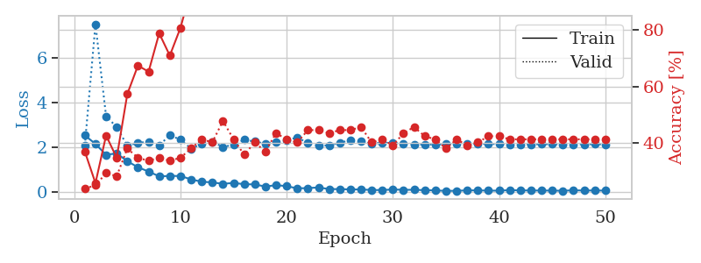
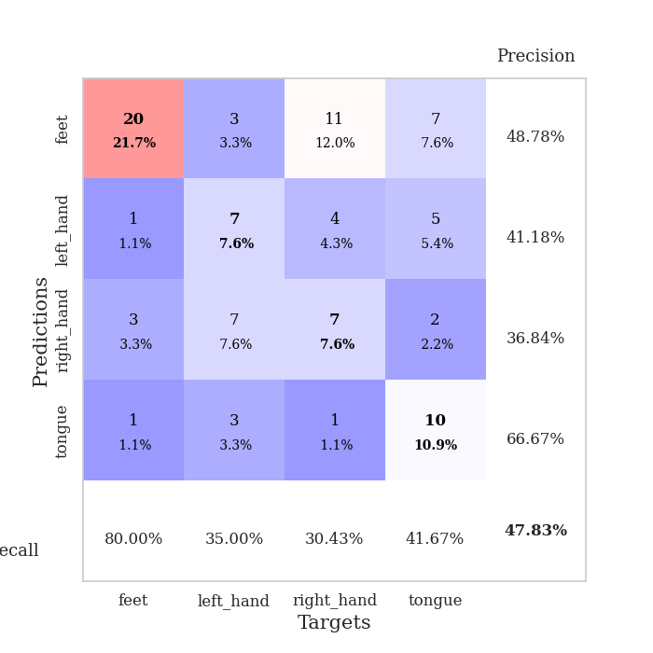
train_loss | valid_loss | train_accuracy | valid_accuracy | dur | train_misclass | valid_misclass
2.5274851799 | 2.0801944836 | 0.36956521739 | 0.23913043478 | 0.035070180893 | 36.956521739 | 23.913043478
2.144089818 | 7.5013430015 | 0.25815217391 | 0.25 | 0.034150600433 | 25.815217391 | 25
1.6553126097 | 3.3761454665 | 0.42663043478 | 0.29347826087 | 0.034311294556 | 42.663043478 | 29.347826087
1.725769496 | 2.9045284831 | 0.34782608696 | 0.28260869565 | 0.033463478088 | 34.782608696 | 28.260869565
1.3699260712 | 2.0604064931 | 0.57336956522 | 0.38043478261 | 0.033704996109 | 57.336956522 | 38.043478261
1.101670146 | 2.1950534064 | 0.67391304348 | 0.34782608696 | 0.03369140625 | 67.391304348 | 34.782608696
0.90948382616 | 2.2377491723 | 0.65217391304 | 0.33695652174 | 0.033151626587 | 65.217391304 | 33.695652174
0.69584695101 | 2.0758113913 | 0.78804347826 | 0.34782608696 | 0.033299684525 | 78.804347826 | 34.782608696
0.71299091578 | 2.5397390283 | 0.70923913043 | 0.33695652174 | 0.033328771591 | 70.923913043 | 33.695652174
0.71087408066 | 2.3311826405 | 0.80706521739 | 0.34782608696 | 0.033186912537 | 80.706521739 | 34.782608696
0.55909861922 | 1.9353361596 | 0.94293478261 | 0.38043478261 | 0.033234834671 | 94.293478261 | 38.043478261
0.45411772728 | 2.1400805401 | 0.91847826087 | 0.41304347826 | 0.033217668533 | 91.847826087 | 41.304347826
0.42442284226 | 2.2479053995 | 0.86956521739 | 0.40217391304 | 0.034143924713 | 86.956521739 | 40.217391304
0.35975999832 | 2.0088199481 | 0.97282608696 | 0.47826086957 | 0.033573865891 | 97.282608696 | 47.826086957
0.40041581392 | 2.1047730498 | 0.98097826087 | 0.41304347826 | 0.034681797028 | 98.097826087 | 41.304347826
0.34382820129 | 2.3312852538 | 0.93206521739 | 0.35869565217 | 0.033354997635 | 93.206521739 | 35.869565217
0.33410763144 | 2.2505875774 | 0.97826086957 | 0.40217391304 | 0.033395767212 | 97.826086957 | 40.217391304
0.23761906326 | 2.1504906312 | 0.99184782609 | 0.36956521739 | 0.033437252045 | 99.184782609 | 36.956521739
0.30209214389 | 2.2249488675 | 0.98641304348 | 0.4347826087 | 0.03328371048 | 98.641304348 | 43.47826087
0.25590523183 | 2.3086711116 | 0.98641304348 | 0.41304347826 | 0.033313035965 | 98.641304348 | 41.304347826
0.15771673322 | 2.4312620059 | 0.96739130435 | 0.40217391304 | 0.033264160156 | 96.739130435 | 40.217391304
0.17057921141 | 2.1857185208 | 0.9972826087 | 0.44565217391 | 0.033361673355 | 99.72826087 | 44.565217391
0.19737216085 | 2.0598736328 | 1 | 0.44565217391 | 0.033258199692 | 100 | 44.565217391
0.12593078762 | 2.0852417324 | 0.98913043478 | 0.4347826087 | 0.033219099045 | 98.913043478 | 43.47826087
0.12331184223 | 2.1874831604 | 1 | 0.44565217391 | 0.033241033554 | 100 | 44.565217391
0.11151568145 | 2.3221653855 | 0.99456521739 | 0.44565217391 | 0.03323841095 | 99.456521739 | 44.565217391
0.1058921352 | 2.2531837899 | 1 | 0.45652173913 | 0.033268928528 | 100 | 45.652173913
0.086037355661 | 2.1481106281 | 1 | 0.40217391304 | 0.033265590668 | 100 | 40.217391304
0.080236507952 | 2.2033427591 | 1 | 0.41304347826 | 0.033275127411 | 100 | 41.304347826
0.10904801041 | 2.1819819056 | 1 | 0.39130434783 | 0.033307313919 | 100 | 39.130434783
0.091771045327 | 2.1565647177 | 1 | 0.4347826087 | 0.03332567215 | 100 | 43.47826087
0.093631771952 | 2.1252763634 | 1 | 0.45652173913 | 0.033390760422 | 100 | 45.652173913
0.075935193896 | 2.1115657506 | 1 | 0.42391304348 | 0.033295869827 | 100 | 42.391304348
0.066718398035 | 2.122081259 | 1 | 0.41304347826 | 0.033293008804 | 100 | 41.304347826
0.04441531226 | 2.1399734228 | 1 | 0.38043478261 | 0.033287286758 | 100 | 38.043478261
0.049854710698 | 2.156055326 | 1 | 0.41304347826 | 0.033262729645 | 100 | 41.304347826
0.066630785912 | 2.1541302722 | 1 | 0.39130434783 | 0.033257484436 | 100 | 39.130434783
0.067285356298 | 2.1511262707 | 1 | 0.40217391304 | 0.033219575882 | 100 | 40.217391304
0.056610294431 | 2.1446782713 | 1 | 0.42391304348 | 0.033256530762 | 100 | 42.391304348
0.05435063988 | 2.1361977899 | 1 | 0.42391304348 | 0.0332467556 | 100 | 42.391304348
0.07865815945 | 2.1313449455 | 1 | 0.41304347826 | 0.033237218857 | 100 | 41.304347826
0.066281986237 | 2.1279029794 | 1 | 0.41304347826 | 0.033201217651 | 100 | 41.304347826
0.062678310648 | 2.1308441577 | 1 | 0.41304347826 | 0.033245801926 | 100 | 41.304347826
0.059529738873 | 2.1321429118 | 1 | 0.41304347826 | 0.033197879791 | 100 | 41.304347826
0.05914115347 | 2.1341581241 | 1 | 0.41304347826 | 0.033239841461 | 100 | 41.304347826
0.049494752288 | 2.1307093216 | 1 | 0.41304347826 | 0.033237934113 | 100 | 41.304347826
0.071636722237 | 2.1282654068 | 1 | 0.41304347826 | 0.03324842453 | 100 | 41.304347826
0.060145922378 | 2.1293163559 | 1 | 0.41304347826 | 0.033312797546 | 100 | 41.304347826
0.06417844519 | 2.1314057993 | 1 | 0.41304347826 | 0.033242940903 | 100 | 41.304347826
0.056389249861 | 2.1303663098 | 1 | 0.41304347826 | 0.033314466476 | 100 | 41.304347826

Best Val accuracy is 0.4782608695652174 and Best test accuracy is 0.3706896551724138

Sheet10
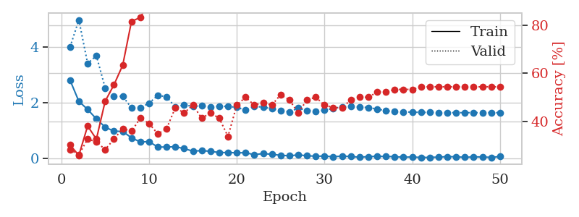
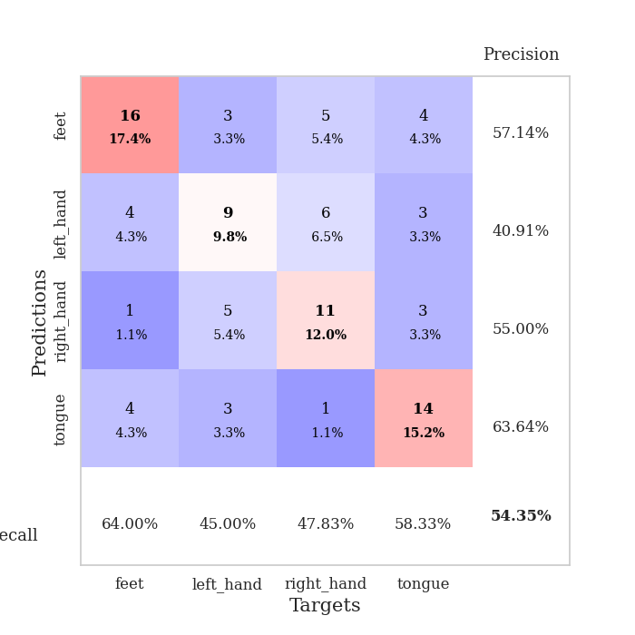
train_loss | valid_loss | train_accuracy | valid_accuracy | dur | train_misclass | valid_misclass
2.8080472231 | 4.0062481424 | 0.30163043478 | 0.28260869565 | 0.034900665283 | 30.163043478 | 28.260869565
2.0494663239 | 4.9807028978 | 0.25815217391 | 0.26086956522 | 0.03403544426 | 25.815217391 | 26.086956522
1.7584477901 | 3.4134575699 | 0.38043478261 | 0.32608695652 | 0.033879756927 | 38.043478261 | 32.608695652
1.415726018 | 3.6917909539 | 0.32608695652 | 0.3152173913 | 0.034014701843 | 32.608695652 | 31.52173913
1.1211469412 | 2.5308098689 | 0.48369565217 | 0.28260869565 | 0.033917665482 | 48.369565217 | 28.260869565
0.97288656235 | 2.2285823096 | 0.55163043478 | 0.32608695652 | 0.033970117569 | 55.163043478 | 32.608695652
0.96818100214 | 2.2309882434 | 0.63315217391 | 0.36956521739 | 0.033935785294 | 63.315217391 | 36.956521739
0.73596678972 | 1.8145409667 | 0.8152173913 | 0.35869565217 | 0.034077882767 | 81.52173913 | 35.869565217
0.58778529763 | 1.8181403616 | 0.83152173913 | 0.41304347826 | 0.033760786057 | 83.152173913 | 41.304347826
0.59877728224 | 1.9801703225 | 0.89402173913 | 0.39130434783 | 0.033984899521 | 89.402173913 | 39.130434783
0.40456901193 | 2.2652624275 | 0.89945652174 | 0.34782608696 | 0.033942222595 | 89.945652174 | 34.782608696
0.40367477536 | 2.2126220309 | 0.88586956522 | 0.36956521739 | 0.033769845963 | 88.586956522 | 36.956521739
0.41762953401 | 1.8393836073 | 0.96467391304 | 0.45652173913 | 0.034013271332 | 96.467391304 | 45.652173913
0.34626585245 | 1.9203400716 | 0.96467391304 | 0.4347826087 | 0.034226894379 | 96.467391304 | 43.47826087
0.25790938735 | 1.8690611746 | 0.97826086957 | 0.46739130435 | 0.035961866379 | 97.826086957 | 46.739130435
0.27422858179 | 1.8892309873 | 0.96467391304 | 0.41304347826 | 0.034115791321 | 96.467391304 | 41.304347826
0.25147198439 | 1.8471000609 | 0.98369565217 | 0.4347826087 | 0.03374171257 | 98.369565217 | 43.47826087
0.20541962087 | 1.8796186965 | 0.98641304348 | 0.41304347826 | 0.033962011337 | 98.641304348 | 41.304347826
0.20664068162 | 1.8635868249 | 0.99456521739 | 0.33695652174 | 0.033110380173 | 99.456521739 | 33.695652174
0.19668622315 | 1.8342648952 | 0.97826086957 | 0.46739130435 | 0.034125566483 | 97.826086957 | 46.739130435
0.19929393977 | 1.7321353062 | 0.99184782609 | 0.5 | 0.03332400322 | 99.184782609 | 50
0.12789438963 | 1.867084809 | 0.98641304348 | 0.46739130435 | 0.034651517868 | 98.641304348 | 46.739130435
0.17071564198 | 1.8387653672 | 0.99184782609 | 0.47826086957 | 0.033313274384 | 99.184782609 | 47.826086957
0.14019485116 | 1.7830921826 | 0.99456521739 | 0.46739130435 | 0.034111022949 | 99.456521739 | 46.739130435
0.10929236412 | 1.7138808292 | 0.9972826087 | 0.51086956522 | 0.033624410629 | 99.72826087 | 51.086956522
0.08825000897 | 1.6681445111 | 1 | 0.48913043478 | 0.034637928009 | 100 | 48.913043478
0.12259347737 | 1.804323072 | 1 | 0.4347826087 | 0.033950328827 | 100 | 43.47826087
0.090061399341 | 1.7240208906 | 1 | 0.48913043478 | 0.033480167389 | 100 | 48.913043478
0.0748521097 | 1.6807342094 | 1 | 0.5 | 0.034044265747 | 100 | 50
0.077993495762 | 1.7262087024 | 1 | 0.46739130435 | 0.032687664032 | 100 | 46.739130435
0.053595738113 | 1.796781514 | 1 | 0.45652173913 | 0.033746957779 | 100 | 45.652173913
0.077507466078 | 1.8463895476 | 1 | 0.45652173913 | 0.033216238022 | 100 | 45.652173913
0.06064251475 | 1.8609935564 | 1 | 0.48913043478 | 0.033232927322 | 100 | 48.913043478
0.03972533159 | 1.8518816906 | 1 | 0.5 | 0.034639596939 | 100 | 50
0.056325431913 | 1.821490775 | 1 | 0.5 | 0.033806800842 | 100 | 50
0.07114540413 | 1.7727573333 | 1 | 0.52173913043 | 0.033175706863 | 100 | 52.173913043
0.063067298755 | 1.7113485388 | 1 | 0.52173913043 | 0.034395217896 | 100 | 52.173913043
0.057876741141 | 1.6795017408 | 1 | 0.53260869565 | 0.033101320267 | 100 | 53.260869565
0.037227126956 | 1.6680383164 | 1 | 0.53260869565 | 0.034731388092 | 100 | 53.260869565
0.047195342928 | 1.661712237 | 1 | 0.53260869565 | 0.033671855927 | 100 | 53.260869565
0.027323786169 | 1.6525457268 | 1 | 0.54347826087 | 0.033942699432 | 100 | 54.347826087
0.032649274915 | 1.6495305352 | 1 | 0.54347826087 | 0.034459590912 | 100 | 54.347826087
0.040341489762 | 1.6440232163 | 1 | 0.54347826087 | 0.034548997879 | 100 | 54.347826087
0.058992404491 | 1.6425511785 | 1 | 0.54347826087 | 0.033554553986 | 100 | 54.347826087
0.051767921634 | 1.6414489591 | 1 | 0.54347826087 | 0.033338785172 | 100 | 54.347826087
0.03367424272 | 1.6409227433 | 1 | 0.54347826087 | 0.033411741257 | 100 | 54.347826087
0.049651282281 | 1.6417322729 | 1 | 0.54347826087 | 0.034422636032 | 100 | 54.347826087
0.047765088081 | 1.6409262419 | 1 | 0.54347826087 | 0.033622741699 | 100 | 54.347826087
0.030891552195 | 1.63966975 | 1 | 0.54347826087 | 0.035779237747 | 100 | 54.347826087
0.062550095469 | 1.6403284902 | 1 | 0.54347826087 | 0.033868312836 | 100 | 54.347826087

Best Val accuracy is 0.5434782608695652 and Best test accuracy is 0.5086206896551724

