Sheet
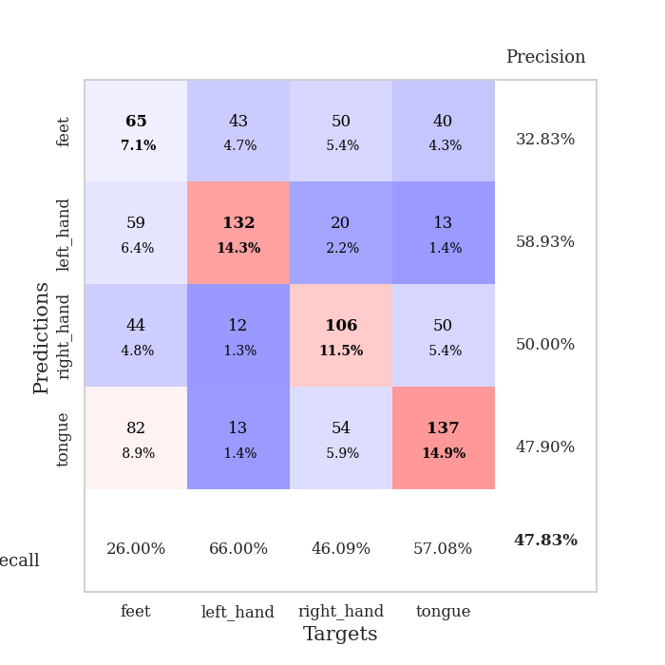
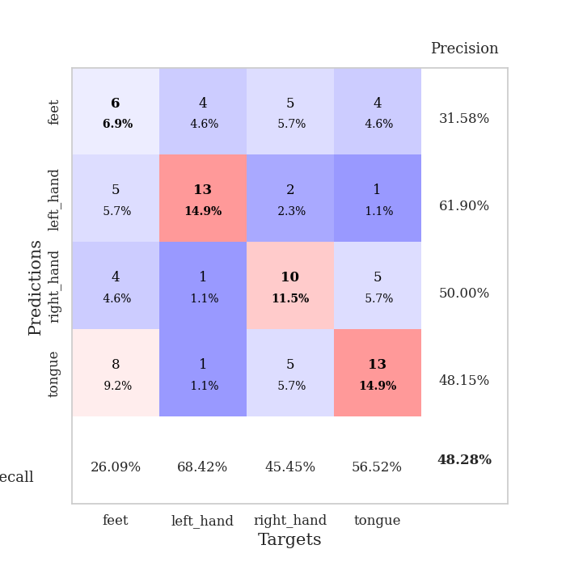
best_val_acc | best_val_los | best_test_acc
0.4347826087 | 2.3920464412 | 0.4224137931
0.52173913043 | 2.2469113391 | 0.45689655172
0.47826086957 | 2.3919153939 | 0.48275862069
0.46739130435 | 2.1531858392 | 0.43103448276
0.45652173913 | 2.3829188347 | 0.48275862069
0.53260869565 | 2.1011315843 | 0.52586206897
0.44565217391 | 2.2528362585 | 0.48275862069
0.47826086957 | 2.2989360872 | 0.46551724138
0.52173913043 | 2.0632144161 | 0.5
0.44565217391 | 2.4805519166 | 0.43103448276

Mean,std Val accuracy is 0.4782608695652174 , 0.035499851344683746 and mean, std test accuracy is 0.4681034482758621 , 0.0332763087338255

Sheet1
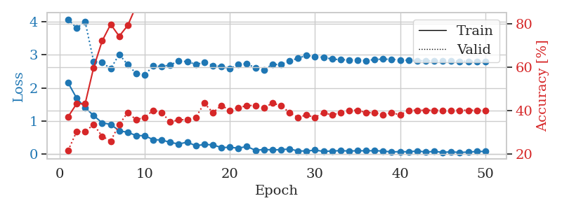
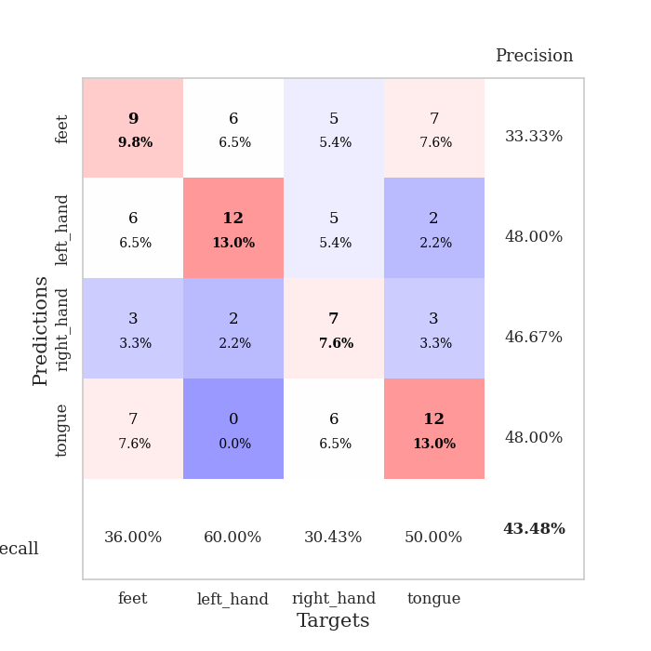
train_loss | valid_loss | train_accuracy | valid_accuracy | dur | train_misclass | valid_misclass
2.1533621073 | 4.0768011135 | 0.3722826087 | 0.21739130435 | 0.034708023071 | 37.22826087 | 21.739130435
1.6890279531 | 3.8051022758 | 0.43206521739 | 0.30434782609 | 0.034033060074 | 43.206521739 | 30.434782609
1.4002188683 | 4.0046190905 | 0.43206521739 | 0.30434782609 | 0.033667564392 | 43.206521739 | 30.434782609
1.1619608402 | 2.8014416902 | 0.59782608696 | 0.33695652174 | 0.033331155777 | 59.782608696 | 33.695652174
0.93986016512 | 2.7699145338 | 0.72010869565 | 0.28260869565 | 0.033861875534 | 72.010869565 | 28.260869565
0.89593803883 | 2.5788798954 | 0.79619565217 | 0.26086956522 | 0.033545732498 | 79.619565217 | 26.086956522
0.70154504776 | 3.0143016629 | 0.74184782609 | 0.33695652174 | 0.033399581909 | 74.184782609 | 33.695652174
0.6540697813 | 2.7031605866 | 0.79076086957 | 0.39130434783 | 0.032741308212 | 79.076086957 | 39.130434783
0.55716869235 | 2.4329752404 | 0.88043478261 | 0.35869565217 | 0.034269094467 | 88.043478261 | 35.869565217
0.55181843042 | 2.3920464412 | 0.9375 | 0.36956521739 | 0.033027410507 | 93.75 | 36.956521739
0.4304391861 | 2.6647261122 | 0.89673913043 | 0.40217391304 | 0.032972812653 | 89.673913043 | 40.217391304
0.42257677913 | 2.6458113504 | 0.92663043478 | 0.39130434783 | 0.034735679626 | 92.663043478 | 39.130434783
0.34874878526 | 2.6955087807 | 0.94836956522 | 0.34782608696 | 0.033585548401 | 94.836956522 | 34.782608696
0.3003490448 | 2.8111419367 | 0.96195652174 | 0.35869565217 | 0.032988548279 | 96.195652174 | 35.869565217
0.35791298747 | 2.796073302 | 0.97282608696 | 0.35869565217 | 0.032956123352 | 97.282608696 | 35.869565217
0.24732006788 | 2.7093175598 | 0.96195652174 | 0.36956521739 | 0.032880306244 | 96.195652174 | 36.956521739
0.28671726882 | 2.7713157612 | 0.97282608696 | 0.4347826087 | 0.032866716385 | 97.282608696 | 43.47826087
0.27427687943 | 2.6762265226 | 0.98641304348 | 0.39130434783 | 0.034381866455 | 98.641304348 | 39.130434783
0.19454988986 | 2.643521537 | 0.99184782609 | 0.42391304348 | 0.033151388168 | 99.184782609 | 42.391304348
0.20004125834 | 2.5828668138 | 0.99184782609 | 0.40217391304 | 0.032853841782 | 99.184782609 | 40.217391304
0.17594618201 | 2.703803332 | 0.98913043478 | 0.41304347826 | 0.032911300659 | 98.913043478 | 41.304347826
0.22445432991 | 2.7339269389 | 0.99184782609 | 0.42391304348 | 0.032755851746 | 99.184782609 | 42.391304348
0.11087438762 | 2.5993092682 | 1 | 0.42391304348 | 0.032884120941 | 100 | 42.391304348
0.13323869407 | 2.5506114027 | 0.9972826087 | 0.41304347826 | 0.032834529877 | 99.72826087 | 41.304347826
0.12484415025 | 2.7095321158 | 0.99456521739 | 0.4347826087 | 0.032816171646 | 99.456521739 | 43.47826087
0.12704986781 | 2.7102025074 | 0.9972826087 | 0.42391304348 | 0.032732486725 | 99.72826087 | 42.391304348
0.15085979402 | 2.8071474511 | 0.9972826087 | 0.39130434783 | 0.032871961594 | 99.72826087 | 39.130434783
0.089816809446 | 2.901471563 | 1 | 0.36956521739 | 0.032985925674 | 100 | 36.956521739
0.088642786071 | 2.9788166855 | 1 | 0.38043478261 | 0.033400535583 | 100 | 38.043478261
0.11493173987 | 2.9433056997 | 1 | 0.36956521739 | 0.032856702805 | 100 | 36.956521739
0.076883764565 | 2.9268928922 | 1 | 0.39130434783 | 0.032806396484 | 100 | 39.130434783
0.087724903971 | 2.8703874505 | 1 | 0.38043478261 | 0.032968044281 | 100 | 38.043478261
0.099909327924 | 2.8548251235 | 1 | 0.39130434783 | 0.032881259918 | 100 | 39.130434783
0.087370540202 | 2.8455724405 | 1 | 0.40217391304 | 0.032888174057 | 100 | 40.217391304
0.095748924091 | 2.8395480902 | 1 | 0.40217391304 | 0.032863616943 | 100 | 40.217391304
0.093766079843 | 2.8236859052 | 1 | 0.39130434783 | 0.03280711174 | 100 | 39.130434783
0.09744598344 | 2.860623992 | 1 | 0.39130434783 | 0.03288435936 | 100 | 39.130434783
0.087478817999 | 2.8697301616 | 1 | 0.38043478261 | 0.033030509949 | 100 | 38.043478261
0.059702818282 | 2.8661779321 | 1 | 0.39130434783 | 0.032838582993 | 100 | 39.130434783
0.070151965693 | 2.8467894637 | 1 | 0.38043478261 | 0.032890319824 | 100 | 38.043478261
0.064009657502 | 2.8309995506 | 1 | 0.40217391304 | 0.034717082977 | 100 | 40.217391304
0.089070256054 | 2.8248050006 | 1 | 0.40217391304 | 0.031810283661 | 100 | 40.217391304
0.058792214096 | 2.8197764003 | 1 | 0.40217391304 | 0.03178024292 | 100 | 40.217391304
0.075215350837 | 2.8174132368 | 1 | 0.40217391304 | 0.03192448616 | 100 | 40.217391304
0.050260621682 | 2.8119381925 | 1 | 0.40217391304 | 0.031834125519 | 100 | 40.217391304
0.063003249466 | 2.80938191 | 1 | 0.40217391304 | 0.031772613525 | 100 | 40.217391304
0.045732176676 | 2.8049847458 | 1 | 0.40217391304 | 0.03427195549 | 100 | 40.217391304
0.056506896764 | 2.8051625024 | 1 | 0.40217391304 | 0.032212257385 | 100 | 40.217391304
0.072836438566 | 2.8049765255 | 1 | 0.40217391304 | 0.033784389496 | 100 | 40.217391304
0.076320119947 | 2.8049082445 | 1 | 0.40217391304 | 0.033555269241 | 100 | 40.217391304

Best Val accuracy is 0.43478260869565216 and Best test accuracy is 0.4224137931034483

Sheet2
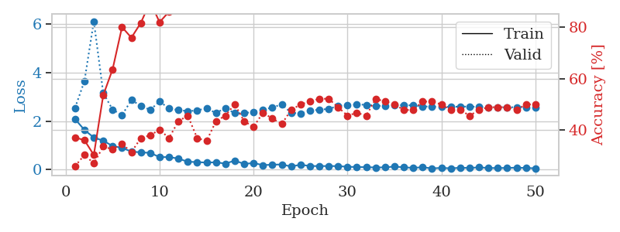
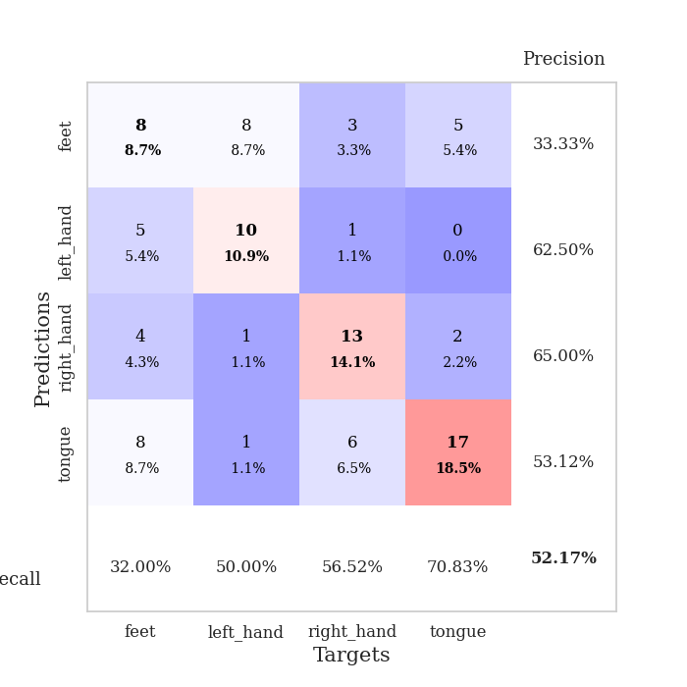
train_loss | valid_loss | train_accuracy | valid_accuracy | dur | train_misclass | valid_misclass
2.0837103844 | 2.5462526135 | 0.3722826087 | 0.26086956522 | 0.033880710602 | 37.22826087 | 26.086956522
1.6373822689 | 3.6519211686 | 0.36141304348 | 0.30434782609 | 0.033653497696 | 36.141304348 | 30.434782609
1.3206797123 | 6.1222100258 | 0.30434782609 | 0.27173913043 | 0.033710956573 | 30.434782609 | 27.173913043
1.1938727856 | 3.1608740143 | 0.53532608696 | 0.33695652174 | 0.033601760864 | 53.532608696 | 33.695652174
0.97008470297 | 2.476801157 | 0.63586956522 | 0.32608695652 | 0.033758163452 | 63.586956522 | 32.608695652
0.89689968824 | 2.2469113391 | 0.79891304348 | 0.34782608696 | 0.033657073975 | 79.891304348 | 34.782608696
0.7418120265 | 2.8704206425 | 0.75815217391 | 0.3152173913 | 0.033155441284 | 75.815217391 | 31.52173913
0.71198163033 | 2.6349270344 | 0.8152173913 | 0.36956521739 | 0.033531665802 | 81.52173913 | 36.956521739
0.68864401579 | 2.4624366605 | 0.89673913043 | 0.38043478261 | 0.036036729813 | 89.673913043 | 38.043478261
0.51382800937 | 2.8156034376 | 0.81793478261 | 0.40217391304 | 0.03346157074 | 81.793478261 | 40.217391304
0.51598608494 | 2.5199900917 | 0.85869565217 | 0.36956521739 | 0.033697128296 | 85.869565217 | 36.956521739
0.45446695089 | 2.4559936005 | 0.88858695652 | 0.4347826087 | 0.033546686172 | 88.858695652 | 43.47826087
0.32252768278 | 2.4142018608 | 0.9347826087 | 0.45652173913 | 0.033744335175 | 93.47826087 | 45.652173913
0.30963098705 | 2.438637153 | 0.95923913043 | 0.36956521739 | 0.03374171257 | 95.923913043 | 36.956521739
0.28750644922 | 2.5380235962 | 0.96467391304 | 0.35869565217 | 0.033710479736 | 96.467391304 | 35.869565217
0.30281245112 | 2.3306668323 | 0.98641304348 | 0.4347826087 | 0.033961772919 | 98.641304348 | 43.47826087
0.2446208626 | 2.5436946516 | 0.96739130435 | 0.45652173913 | 0.034120798111 | 96.739130435 | 45.652173913
0.37049141526 | 2.3236139546 | 0.98641304348 | 0.5 | 0.0326628685 | 98.641304348 | 50
0.23385317922 | 2.3263586397 | 0.98369565217 | 0.4347826087 | 0.032819032669 | 98.369565217 | 43.47826087
0.26979564875 | 2.3854614444 | 0.98641304348 | 0.41304347826 | 0.032401561737 | 98.641304348 | 41.304347826
0.18348404169 | 2.4590711956 | 0.98913043478 | 0.46739130435 | 0.032285451889 | 98.913043478 | 46.739130435
0.20200666189 | 2.5681993028 | 0.99456521739 | 0.44565217391 | 0.032533407211 | 99.456521739 | 44.565217391
0.21029543132 | 2.6859725247 | 0.96467391304 | 0.42391304348 | 0.034822225571 | 96.467391304 | 42.391304348
0.12783214301 | 2.348599154 | 0.99456521739 | 0.47826086957 | 0.032432317734 | 99.456521739 | 47.826086957
0.19973351359 | 2.3120300355 | 0.9972826087 | 0.5 | 0.032099485397 | 99.72826087 | 50
0.14626040831 | 2.4259419597 | 1 | 0.51086956522 | 0.032052278519 | 100 | 51.086956522
0.14530284107 | 2.4758277665 | 0.99456521739 | 0.52173913043 | 0.032575845718 | 99.456521739 | 52.173913043
0.14479138032 | 2.5006761344 | 0.99456521739 | 0.52173913043 | 0.032630443573 | 99.456521739 | 52.173913043
0.14344661981 | 2.6337621005 | 0.99456521739 | 0.48913043478 | 0.032119274139 | 99.456521739 | 48.913043478
0.11595361233 | 2.6586551563 | 1 | 0.45652173913 | 0.033324241638 | 100 | 45.652173913
0.10451255143 | 2.6907906221 | 1 | 0.46739130435 | 0.032403469086 | 100 | 46.739130435
0.099186616391 | 2.6727870755 | 1 | 0.45652173913 | 0.032350301743 | 100 | 45.652173913
0.087108382583 | 2.638730583 | 1 | 0.52173913043 | 0.032137393951 | 100 | 52.173913043
0.090326260775 | 2.6222363037 | 0.9972826087 | 0.51086956522 | 0.032168865204 | 99.72826087 | 51.086956522
0.12553675771 | 2.6513600557 | 1 | 0.5 | 0.032277345657 | 100 | 50
0.091491054744 | 2.6677079512 | 1 | 0.47826086957 | 0.033270597458 | 100 | 47.826086957
0.071385217458 | 2.6468030059 | 1 | 0.47826086957 | 0.033739805222 | 100 | 47.826086957
0.095903876424 | 2.6096066236 | 1 | 0.51086956522 | 0.033728837967 | 100 | 51.086956522
0.048517562822 | 2.5926314955 | 1 | 0.51086956522 | 0.033862829208 | 100 | 51.086956522
0.069514892623 | 2.5870754874 | 1 | 0.5 | 0.033797264099 | 100 | 50
0.051465726644 | 2.5910348167 | 1 | 0.47826086957 | 0.033794403076 | 100 | 47.826086957
0.073935314268 | 2.5997688304 | 1 | 0.47826086957 | 0.033805370331 | 100 | 47.826086957
0.067548516393 | 2.6006689538 | 1 | 0.45652173913 | 0.033186197281 | 100 | 45.652173913
0.090400857478 | 2.5851581356 | 1 | 0.47826086957 | 0.033668279648 | 100 | 47.826086957
0.0659476161 | 2.576544404 | 1 | 0.48913043478 | 0.033766031265 | 100 | 48.913043478
0.06229063347 | 2.5715868991 | 1 | 0.48913043478 | 0.034083127975 | 100 | 48.913043478
0.069223179668 | 2.5721747046 | 1 | 0.48913043478 | 0.033901691437 | 100 | 48.913043478
0.077543915808 | 2.5733516994 | 1 | 0.47826086957 | 0.033759355545 | 100 | 47.826086957
0.067660597712 | 2.5742642361 | 1 | 0.5 | 0.033712863922 | 100 | 50
0.050954524055 | 2.575230303 | 1 | 0.5 | 0.03373169899 | 100 | 50

Best Val accuracy is 0.5217391304347826 and Best test accuracy is 0.45689655172413796

Sheet3
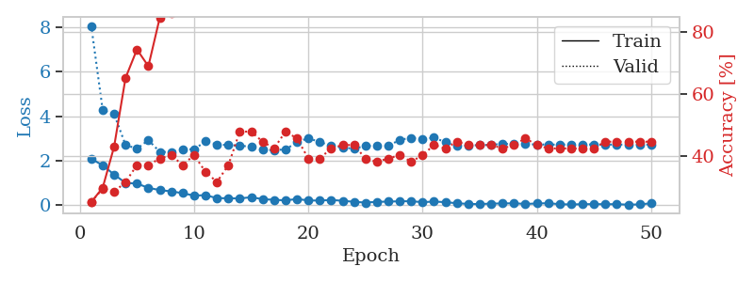
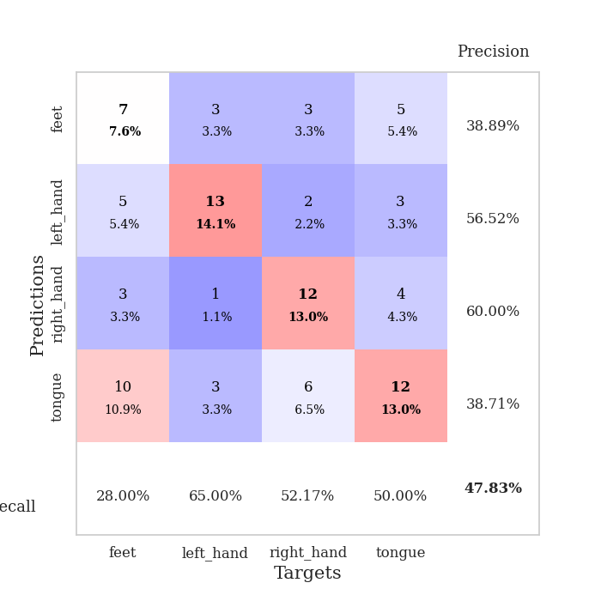
train_loss | valid_loss | train_accuracy | valid_accuracy | dur | train_misclass | valid_misclass
2.0909049273 | 8.0562859825 | 0.25 | 0.25 | 0.034369707108 | 25 | 25
1.7984259844 | 4.2775614365 | 0.29619565217 | 0.29347826087 | 0.033207416534 | 29.619565217 | 29.347826087
1.3840286016 | 4.0951418358 | 0.42934782609 | 0.28260869565 | 0.03276014328 | 42.934782609 | 28.260869565
1.0100358248 | 2.7134166386 | 0.65217391304 | 0.3152173913 | 0.032203197479 | 65.217391304 | 31.52173913
0.97953497171 | 2.5439586173 | 0.74456521739 | 0.36956521739 | 0.032644748688 | 74.456521739 | 36.956521739
0.78670850992 | 2.9286679807 | 0.6902173913 | 0.36956521739 | 0.032686948776 | 69.02173913 | 36.956521739
0.68753833175 | 2.4019028726 | 0.84782608696 | 0.39130434783 | 0.03225684166 | 84.782608696 | 39.130434783
0.62733735442 | 2.3919153939 | 0.86141304348 | 0.40217391304 | 0.033210277557 | 86.141304348 | 40.217391304
0.54912148118 | 2.512723902 | 0.8777173913 | 0.36956521739 | 0.032707452774 | 87.77173913 | 36.956521739
0.43756960332 | 2.5190764095 | 0.9347826087 | 0.40217391304 | 0.032014846802 | 93.47826087 | 40.217391304
0.46043908 | 2.8695285528 | 0.93206521739 | 0.34782608696 | 0.032608985901 | 93.206521739 | 34.782608696
0.32379314899 | 2.7349332001 | 0.95652173913 | 0.3152173913 | 0.032762289047 | 95.652173913 | 31.52173913
0.32165800333 | 2.7047075914 | 0.97554347826 | 0.36956521739 | 0.032811164856 | 97.554347826 | 36.956521739
0.30863414407 | 2.6767237808 | 0.91847826087 | 0.47826086957 | 0.03280711174 | 91.847826087 | 47.826086957
0.36955564022 | 2.6376836404 | 0.9402173913 | 0.47826086957 | 0.034056186676 | 94.02173913 | 47.826086957
0.27797460258 | 2.4894245086 | 0.98641304348 | 0.44565217391 | 0.03286075592 | 98.641304348 | 44.565217391
0.25202060342 | 2.4800865236 | 0.98097826087 | 0.42391304348 | 0.032901287079 | 98.097826087 | 42.391304348
0.22390636206 | 2.5108196321 | 0.97826086957 | 0.47826086957 | 0.032903432846 | 97.826086957 | 47.826086957
0.28665361106 | 2.8310953016 | 0.97554347826 | 0.45652173913 | 0.032861709595 | 97.554347826 | 45.652173913
0.22281879485 | 3.019921479 | 0.97282608696 | 0.39130434783 | 0.032914876938 | 97.282608696 | 39.130434783
0.21608475745 | 2.8386240627 | 0.99184782609 | 0.39130434783 | 0.032838344574 | 99.184782609 | 39.130434783
0.243911919 | 2.6808751666 | 0.9972826087 | 0.42391304348 | 0.033056497574 | 99.72826087 | 42.391304348
0.20659492612 | 2.5894021055 | 0.9972826087 | 0.4347826087 | 0.03278875351 | 99.72826087 | 43.47826087
0.1605948925 | 2.5497456323 | 0.99456521739 | 0.4347826087 | 0.032846927643 | 99.456521739 | 43.47826087
0.12588799968 | 2.6681475328 | 1 | 0.39130434783 | 0.03213596344 | 100 | 39.130434783
0.15983522534 | 2.6681384522 | 1 | 0.38043478261 | 0.032180786133 | 100 | 38.043478261
0.16859444976 | 2.6699223207 | 1 | 0.39130434783 | 0.031886577606 | 100 | 39.130434783
0.18491714895 | 2.9418195849 | 0.98097826087 | 0.40217391304 | 0.03210234642 | 98.097826087 | 40.217391304
0.18685874343 | 3.0327455997 | 0.98369565217 | 0.38043478261 | 0.03264093399 | 98.369565217 | 38.043478261
0.14449127167 | 2.9597206634 | 0.9972826087 | 0.40217391304 | 0.033054828644 | 99.72826087 | 40.217391304
0.17126476616 | 3.0415463448 | 1 | 0.4347826087 | 0.032977104187 | 100 | 43.47826087
0.14470090717 | 2.8335836867 | 1 | 0.42391304348 | 0.032264709473 | 100 | 42.391304348
0.096550726891 | 2.680518907 | 1 | 0.44565217391 | 0.031893014908 | 100 | 44.565217391
0.065768588334 | 2.6863168012 | 1 | 0.4347826087 | 0.031914949417 | 100 | 43.47826087
0.057934711128 | 2.703715936 | 1 | 0.4347826087 | 0.032165050507 | 100 | 43.47826087
0.081888981164 | 2.7157860528 | 1 | 0.4347826087 | 0.031850576401 | 100 | 43.47826087
0.085250490904 | 2.7661179874 | 1 | 0.42391304348 | 0.03183889389 | 100 | 42.391304348
0.096056518704 | 2.7490230332 | 1 | 0.4347826087 | 0.032679080963 | 100 | 43.47826087
0.063579552248 | 2.7443316294 | 1 | 0.45652173913 | 0.032052755356 | 100 | 45.652173913
0.085757118836 | 2.7375070219 | 1 | 0.4347826087 | 0.031919002533 | 100 | 43.47826087
0.098098113388 | 2.7275787955 | 1 | 0.42391304348 | 0.031738042831 | 100 | 42.391304348
0.053794872761 | 2.7273454355 | 1 | 0.42391304348 | 0.031994819641 | 100 | 42.391304348
0.041869190335 | 2.7356539498 | 1 | 0.42391304348 | 0.032028675079 | 100 | 42.391304348
0.054176041484 | 2.7361093397 | 1 | 0.42391304348 | 0.032183647156 | 100 | 42.391304348
0.056637173891 | 2.731870247 | 1 | 0.42391304348 | 0.032829523087 | 100 | 42.391304348
0.054090059921 | 2.7296007716 | 1 | 0.44565217391 | 0.033289432526 | 100 | 44.565217391
0.054051931575 | 2.7261896341 | 1 | 0.44565217391 | 0.032141208649 | 100 | 44.565217391
0.031801192276 | 2.7281729035 | 1 | 0.44565217391 | 0.031937122345 | 100 | 44.565217391
0.043806132674 | 2.7270808116 | 1 | 0.44565217391 | 0.031926870346 | 100 | 44.565217391
0.094141754135 | 2.7268823126 | 1 | 0.44565217391 | 0.031725406647 | 100 | 44.565217391

Best Val accuracy is 0.4782608695652174 and Best test accuracy is 0.4827586206896552

Sheet4
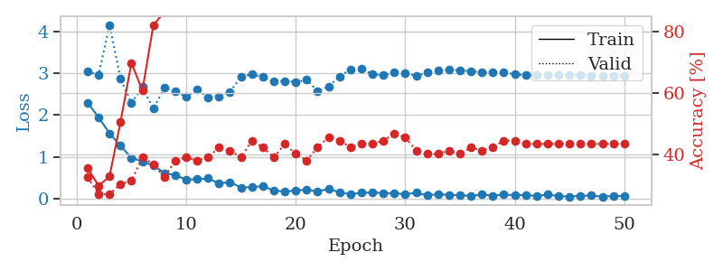
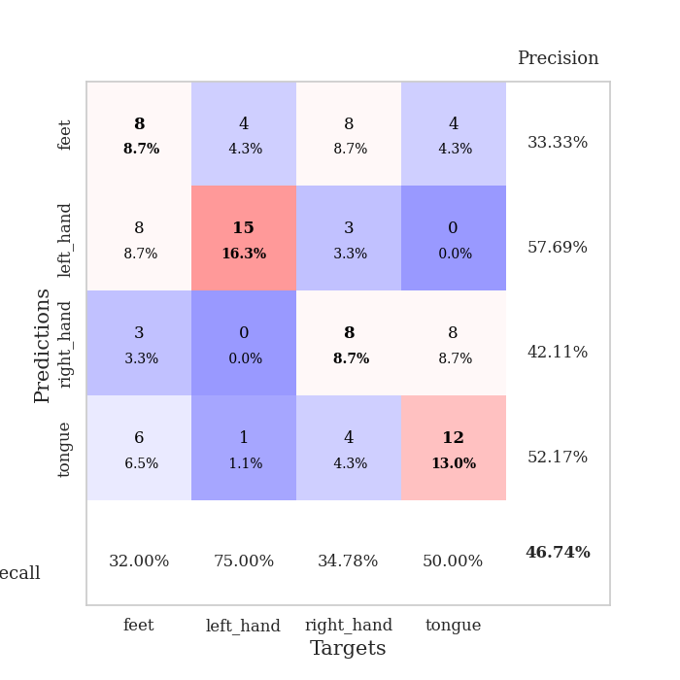
train_loss | valid_loss | train_accuracy | valid_accuracy | dur | train_misclass | valid_misclass
2.2969924212 | 3.0520327506 | 0.35597826087 | 0.32608695652 | 0.034590482712 | 35.597826087 | 32.608695652
1.9442869663 | 2.9564056604 | 0.29891304348 | 0.27173913043 | 0.033664941788 | 29.891304348 | 27.173913043
1.5628035784 | 4.1588733818 | 0.32880434783 | 0.27173913043 | 0.032361030579 | 32.880434783 | 27.173913043
1.2612764835 | 2.8728889797 | 0.50543478261 | 0.30434782609 | 0.032535791397 | 50.543478261 | 30.434782609
0.97701207399 | 2.288501273 | 0.69836956522 | 0.3152173913 | 0.033026695251 | 69.836956522 | 31.52173913
0.88641560078 | 2.666895317 | 0.60869565217 | 0.39130434783 | 0.03280544281 | 60.869565217 | 39.130434783
0.79364552498 | 2.1531858392 | 0.82065217391 | 0.36956521739 | 0.033489704132 | 82.065217391 | 36.956521739
0.61067370772 | 2.6453050427 | 0.86413043478 | 0.32608695652 | 0.03261089325 | 86.413043478 | 32.608695652
0.56094184518 | 2.5684660414 | 0.875 | 0.38043478261 | 0.032578706741 | 87.5 | 38.043478261
0.4553959012 | 2.4354298529 | 0.89130434783 | 0.39130434783 | 0.032665252686 | 89.130434783 | 39.130434783
0.46092733741 | 2.6061508034 | 0.91304347826 | 0.38043478261 | 0.032756090164 | 91.304347826 | 38.043478261
0.48246375918 | 2.4157524835 | 0.95108695652 | 0.39130434783 | 0.032755851746 | 95.108695652 | 39.130434783
0.36489697099 | 2.4493293451 | 0.9375 | 0.42391304348 | 0.032724142075 | 93.75 | 42.391304348
0.39330255985 | 2.5527394647 | 0.95652173913 | 0.41304347826 | 0.032806634903 | 95.652173913 | 41.304347826
0.26583020389 | 2.920339999 | 0.94836956522 | 0.39130434783 | 0.032696723938 | 94.836956522 | 39.130434783
0.27185985744 | 2.975832566 | 0.96467391304 | 0.44565217391 | 0.032600164413 | 96.467391304 | 44.565217391
0.29756552577 | 2.9049247348 | 0.97282608696 | 0.42391304348 | 0.032736301422 | 97.282608696 | 42.391304348
0.19395116866 | 2.8021981094 | 0.98641304348 | 0.39130434783 | 0.031704187393 | 98.641304348 | 39.130434783
0.16626265794 | 2.8144858298 | 0.97554347826 | 0.4347826087 | 0.031826257706 | 97.554347826 | 43.47826087
0.19250937104 | 2.7890305623 | 0.99456521739 | 0.40217391304 | 0.031623840332 | 99.456521739 | 40.217391304
0.21250150204 | 2.8415176557 | 0.98641304348 | 0.38043478261 | 0.031709671021 | 98.641304348 | 38.043478261
0.16819182634 | 2.5708904266 | 0.99184782609 | 0.42391304348 | 0.031548261642 | 99.184782609 | 42.391304348
0.23315508068 | 2.6850016428 | 0.99184782609 | 0.45652173913 | 0.031615972519 | 99.184782609 | 45.652173913
0.15014296025 | 2.9167983947 | 0.9972826087 | 0.44565217391 | 0.031855106354 | 99.72826087 | 44.565217391
0.10296587199 | 3.0960644535 | 0.99456521739 | 0.42391304348 | 0.031645774841 | 99.456521739 | 42.391304348
0.13903447837 | 3.0996309156 | 0.9972826087 | 0.4347826087 | 0.031640768051 | 99.72826087 | 43.47826087
0.14136063904 | 2.9809402072 | 1 | 0.4347826087 | 0.031677484512 | 100 | 43.47826087
0.13039001673 | 2.9505568173 | 0.9972826087 | 0.44565217391 | 0.031698942184 | 99.72826087 | 44.565217391
0.12628127187 | 3.0337358558 | 0.99184782609 | 0.46739130435 | 0.03160071373 | 99.184782609 | 46.739130435
0.1039009437 | 3.0097366001 | 0.99184782609 | 0.45652173913 | 0.032116889954 | 99.184782609 | 45.652173913
0.13617971987 | 2.9354315944 | 1 | 0.41304347826 | 0.031763553619 | 100 | 41.304347826
0.07632747516 | 3.0194025143 | 0.9972826087 | 0.40217391304 | 0.032000541687 | 99.72826087 | 40.217391304
0.10292911455 | 3.0727743791 | 1 | 0.40217391304 | 0.031623840332 | 100 | 40.217391304
0.0856833525 | 3.0802229073 | 1 | 0.41304347826 | 0.031547546387 | 100 | 41.304347826
0.077909450978 | 3.0755972551 | 1 | 0.40217391304 | 0.031730175018 | 100 | 40.217391304
0.066988841444 | 3.0460748154 | 1 | 0.42391304348 | 0.031619548798 | 100 | 42.391304348
0.093158543855 | 3.0257488437 | 1 | 0.41304347826 | 0.031764984131 | 100 | 41.304347826
0.071188592166 | 3.0264051064 | 1 | 0.42391304348 | 0.031612873077 | 100 | 42.391304348
0.094782618806 | 3.0146566785 | 1 | 0.44565217391 | 0.03165602684 | 100 | 44.565217391
0.080275316536 | 2.9804466082 | 1 | 0.44565217391 | 0.032600879669 | 100 | 44.565217391
0.086655010283 | 2.9520230397 | 1 | 0.4347826087 | 0.032279253006 | 100 | 43.47826087
0.060820797831 | 2.952214127 | 1 | 0.4347826087 | 0.031654596329 | 100 | 43.47826087
0.09537146911 | 2.9571585759 | 1 | 0.4347826087 | 0.031684875488 | 100 | 43.47826087
0.060094363987 | 2.956998483 | 1 | 0.4347826087 | 0.031517267227 | 100 | 43.47826087
0.04449274689 | 2.9543969528 | 1 | 0.4347826087 | 0.031634092331 | 100 | 43.47826087
0.070058562607 | 2.9520071175 | 1 | 0.4347826087 | 0.03161740303 | 100 | 43.47826087
0.072115219384 | 2.9477115403 | 1 | 0.4347826087 | 0.032633781433 | 100 | 43.47826087
0.04465829283 | 2.9456517489 | 1 | 0.4347826087 | 0.032455921173 | 100 | 43.47826087
0.062581193075 | 2.9461546152 | 1 | 0.4347826087 | 0.031597852707 | 100 | 43.47826087
0.058365541138 | 2.9466982095 | 1 | 0.4347826087 | 0.032396554947 | 100 | 43.47826087

Best Val accuracy is 0.4673913043478261 and Best test accuracy is 0.43103448275862066

Sheet5
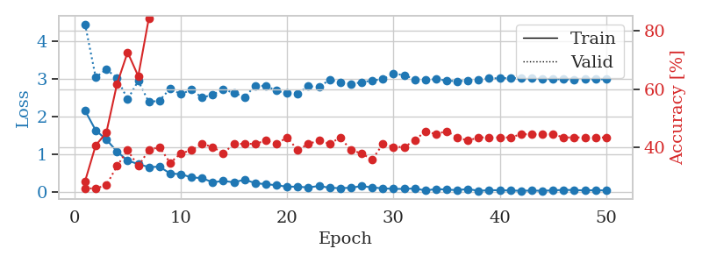
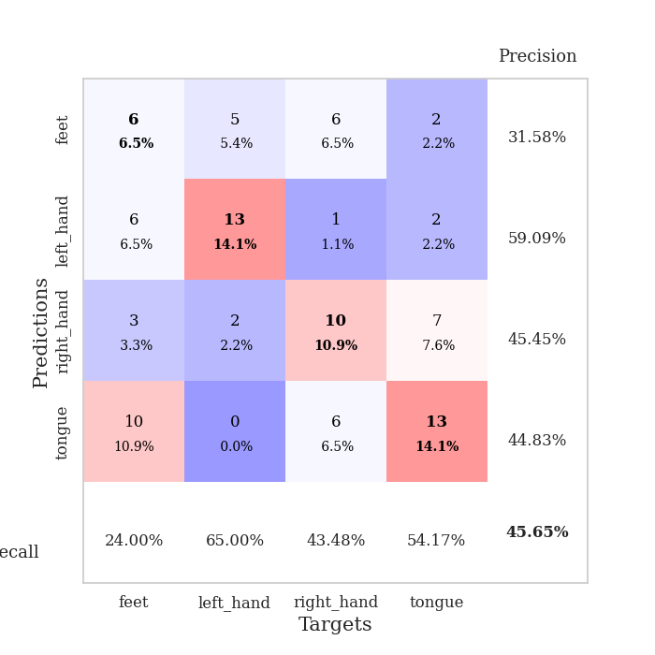
train_loss | valid_loss | train_accuracy | valid_accuracy | dur | train_misclass | valid_misclass
2.1579624176 | 4.4422355942 | 0.28532608696 | 0.26086956522 | 0.035060167313 | 28.532608696 | 26.086956522
1.6372280359 | 3.0360856367 | 0.40760869565 | 0.26086956522 | 0.034280776978 | 40.760869565 | 26.086956522
1.3955949306 | 3.2496389824 | 0.45108695652 | 0.27173913043 | 0.034105300903 | 45.108695652 | 27.173913043
1.0801879168 | 3.0202251828 | 0.61684782609 | 0.33695652174 | 0.03417801857 | 61.684782609 | 33.695652174
0.83814893961 | 2.4557278104 | 0.72554347826 | 0.39130434783 | 0.034206867218 | 72.554347826 | 39.130434783
0.74795055389 | 2.94199645 | 0.64402173913 | 0.33695652174 | 0.034231185913 | 64.402173913 | 33.695652174
0.6658695817 | 2.3829188347 | 0.84239130435 | 0.39130434783 | 0.034027814865 | 84.239130435 | 39.130434783
0.67900544405 | 2.4243680187 | 0.92119565217 | 0.40217391304 | 0.033837795258 | 92.119565217 | 40.217391304
0.49709156752 | 2.739435538 | 0.90760869565 | 0.34782608696 | 0.035893678665 | 90.760869565 | 34.782608696
0.48138897419 | 2.5934569628 | 0.92119565217 | 0.38043478261 | 0.033984661102 | 92.119565217 | 38.043478261
0.39457455873 | 2.709728977 | 0.95380434783 | 0.39130434783 | 0.034048080444 | 95.380434783 | 39.130434783
0.37632802725 | 2.5022022413 | 0.95652173913 | 0.41304347826 | 0.034215688705 | 95.652173913 | 41.304347826
0.26558090448 | 2.5790723718 | 0.96195652174 | 0.40217391304 | 0.034142017365 | 96.195652174 | 40.217391304
0.30096072257 | 2.7209126949 | 0.95108695652 | 0.38043478261 | 0.034354448318 | 95.108695652 | 38.043478261
0.26520657688 | 2.6245091791 | 0.96195652174 | 0.41304347826 | 0.034434556961 | 96.195652174 | 41.304347826
0.33569892645 | 2.5191508687 | 0.98913043478 | 0.41304347826 | 0.034108161926 | 98.913043478 | 41.304347826
0.24440015554 | 2.813039448 | 0.98641304348 | 0.41304347826 | 0.034566640854 | 98.641304348 | 41.304347826
0.2152533263 | 2.8116527951 | 0.98913043478 | 0.42391304348 | 0.034453630447 | 98.913043478 | 42.391304348
0.18870504647 | 2.6834055963 | 0.97554347826 | 0.41304347826 | 0.034267902374 | 97.554347826 | 41.304347826
0.1491349116 | 2.6154537201 | 0.98097826087 | 0.4347826087 | 0.034220218658 | 98.097826087 | 43.47826087
0.15099825263 | 2.6120741471 | 0.98641304348 | 0.39130434783 | 0.034394979477 | 98.641304348 | 39.130434783
0.12814984471 | 2.8021824671 | 1 | 0.41304347826 | 0.034330606461 | 100 | 41.304347826
0.17007832378 | 2.7831431886 | 1 | 0.42391304348 | 0.034337997437 | 100 | 42.391304348
0.11969536096 | 2.9725122141 | 0.9972826087 | 0.41304347826 | 0.034174442291 | 99.72826087 | 41.304347826
0.11203293055 | 2.9046470808 | 0.9972826087 | 0.4347826087 | 0.034106731415 | 99.72826087 | 43.47826087
0.1214254871 | 2.8635011756 | 0.9972826087 | 0.39130434783 | 0.034486055374 | 99.72826087 | 39.130434783
0.16622396708 | 2.9047958851 | 0.9972826087 | 0.38043478261 | 0.034263134003 | 99.72826087 | 38.043478261
0.12934578359 | 2.9545016911 | 0.9972826087 | 0.35869565217 | 0.034145832062 | 99.72826087 | 35.869565217
0.10604444891 | 2.9886880128 | 1 | 0.41304347826 | 0.034348011017 | 100 | 41.304347826
0.092114869505 | 3.1294665233 | 1 | 0.40217391304 | 0.0344581604 | 100 | 40.217391304
0.091031503677 | 3.0986243538 | 1 | 0.40217391304 | 0.034433603287 | 100 | 40.217391304
0.10344598591 | 2.9825203833 | 1 | 0.42391304348 | 0.034620523453 | 100 | 42.391304348
0.049888338149 | 2.9662497769 | 1 | 0.45652173913 | 0.03466296196 | 100 | 45.652173913
0.087441454828 | 2.9902153948 | 1 | 0.44565217391 | 0.034319162369 | 100 | 44.565217391
0.074711676687 | 2.9516069889 | 1 | 0.45652173913 | 0.034410953522 | 100 | 45.652173913
0.057624796405 | 2.9333174332 | 1 | 0.4347826087 | 0.034561395645 | 100 | 43.47826087
0.089750456065 | 2.9560313328 | 1 | 0.42391304348 | 0.03423833847 | 100 | 42.391304348
0.038868251443 | 2.9803172298 | 1 | 0.4347826087 | 0.034779071808 | 100 | 43.47826087
0.059280158579 | 3.0075724851 | 1 | 0.4347826087 | 0.034862756729 | 100 | 43.47826087
0.055167600885 | 3.015694981 | 1 | 0.4347826087 | 0.034506320953 | 100 | 43.47826087
0.049002459645 | 3.0187345484 | 1 | 0.4347826087 | 0.034380674362 | 100 | 43.47826087
0.042634609714 | 3.0179406871 | 1 | 0.44565217391 | 0.034259557724 | 100 | 44.565217391
0.047921041027 | 3.0101604669 | 1 | 0.44565217391 | 0.034474849701 | 100 | 44.565217391
0.042032191902 | 2.9986567186 | 1 | 0.44565217391 | 0.034402370453 | 100 | 44.565217391
0.052491685003 | 2.9907633222 | 1 | 0.44565217391 | 0.034543037415 | 100 | 44.565217391
0.06607099399 | 2.9842620622 | 1 | 0.4347826087 | 0.034446954727 | 100 | 43.47826087
0.060589084402 | 2.9839855692 | 1 | 0.4347826087 | 0.034529924393 | 100 | 43.47826087
0.052034776658 | 2.984424249 | 1 | 0.4347826087 | 0.034492492676 | 100 | 43.47826087
0.057299164683 | 2.9852110718 | 1 | 0.4347826087 | 0.034329414368 | 100 | 43.47826087
0.05004618559 | 2.9863774776 | 1 | 0.4347826087 | 0.034600973129 | 100 | 43.47826087

Best Val accuracy is 0.45652173913043476 and Best test accuracy is 0.4827586206896552

Sheet6
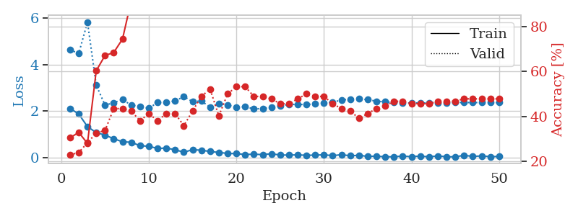
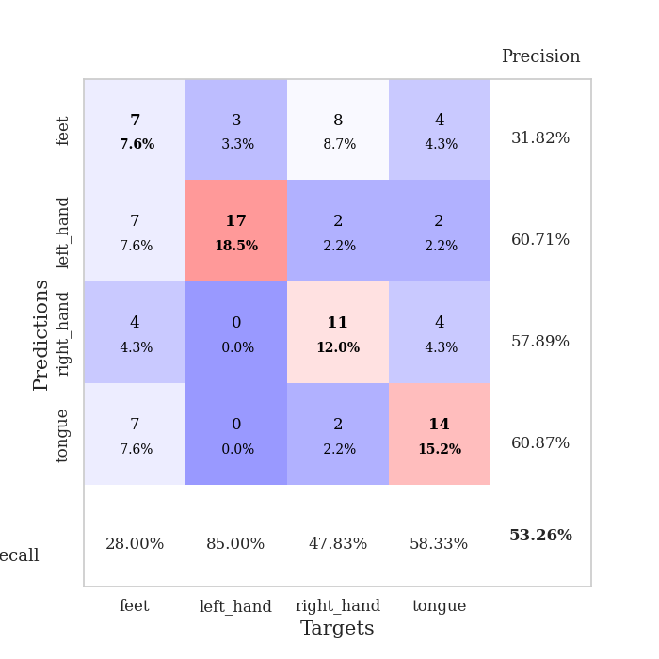
train_loss | valid_loss | train_accuracy | valid_accuracy | dur | train_misclass | valid_misclass
2.1193486452 | 4.6298587426 | 0.30434782609 | 0.22826086957 | 0.035056352615 | 30.434782609 | 22.826086957
1.882450223 | 4.4673423145 | 0.32880434783 | 0.23913043478 | 0.03466629982 | 32.880434783 | 23.913043478
1.3408215284 | 5.8114390373 | 0.27989130435 | 0.28260869565 | 0.034712791443 | 27.989130435 | 28.260869565
1.0842361212 | 3.1176783624 | 0.60326086957 | 0.32608695652 | 0.034011363983 | 60.326086957 | 32.608695652
0.97951544523 | 2.2597804588 | 0.67119565217 | 0.33695652174 | 0.034382104874 | 67.119565217 | 33.695652174
0.8228302002 | 2.3606015807 | 0.6847826087 | 0.4347826087 | 0.034551143646 | 68.47826087 | 43.47826087
0.69187791348 | 2.5005170781 | 0.74456521739 | 0.4347826087 | 0.034332036972 | 74.456521739 | 43.47826087
0.67131872177 | 2.2555973841 | 0.91576086957 | 0.42391304348 | 0.034711122513 | 91.576086957 | 42.391304348
0.52267450094 | 2.2120581917 | 0.89945652174 | 0.38043478261 | 0.033702373505 | 89.945652174 | 38.043478261
0.50214491487 | 2.123639708 | 0.89673913043 | 0.41304347826 | 0.033440113068 | 89.673913043 | 41.304347826
0.4062519908 | 2.3742641055 | 0.94565217391 | 0.38043478261 | 0.034246921539 | 94.565217391 | 38.043478261
0.42464303374 | 2.380320238 | 0.95923913043 | 0.41304347826 | 0.033884525299 | 95.923913043 | 41.304347826
0.34919089675 | 2.4373361028 | 0.95380434783 | 0.41304347826 | 0.033475637436 | 95.380434783 | 41.304347826
0.24857103527 | 2.6266216299 | 0.92119565217 | 0.35869565217 | 0.033435106277 | 92.119565217 | 35.869565217
0.35042638183 | 2.4101219488 | 0.94565217391 | 0.42391304348 | 0.033552885056 | 94.565217391 | 42.391304348
0.33416887522 | 2.4371273829 | 0.94565217391 | 0.48913043478 | 0.033489942551 | 94.565217391 | 48.913043478
0.27449887097 | 2.1711427543 | 0.98641304348 | 0.52173913043 | 0.034168720245 | 98.641304348 | 52.173913043
0.23803665638 | 2.3358668659 | 0.97010869565 | 0.40217391304 | 0.034411668777 | 97.010869565 | 40.217391304
0.19458384812 | 2.256554842 | 0.98369565217 | 0.5 | 0.03338766098 | 98.369565217 | 50
0.18349013627 | 2.1792925959 | 0.97554347826 | 0.53260869565 | 0.033398389816 | 97.554347826 | 53.260869565
0.1481480971 | 2.1877655568 | 0.98369565217 | 0.53260869565 | 0.034357786179 | 98.369565217 | 53.260869565
0.16114506423 | 2.1011315843 | 0.98641304348 | 0.48913043478 | 0.033406019211 | 98.641304348 | 48.913043478
0.14265388995 | 2.1115839689 | 0.98913043478 | 0.48913043478 | 0.035208940506 | 98.913043478 | 48.913043478
0.17961571366 | 2.174226367 | 0.9972826087 | 0.47826086957 | 0.032633543015 | 99.72826087 | 47.826086957
0.12534284145 | 2.2314974432 | 1 | 0.45652173913 | 0.033202409744 | 100 | 45.652173913
0.1239307709 | 2.290264762 | 1 | 0.45652173913 | 0.033176898956 | 100 | 45.652173913
0.13340576515 | 2.2919716835 | 1 | 0.47826086957 | 0.033113718033 | 100 | 47.826086957
0.11277822256 | 2.2858948293 | 0.99456521739 | 0.5 | 0.033181428909 | 99.456521739 | 50
0.12228144109 | 2.3118423172 | 0.99456521739 | 0.48913043478 | 0.033300638199 | 99.456521739 | 48.913043478
0.13501261175 | 2.3415059318 | 0.9972826087 | 0.48913043478 | 0.033282756805 | 99.72826087 | 48.913043478
0.10012001395 | 2.3886403934 | 0.9972826087 | 0.45652173913 | 0.033248901367 | 99.72826087 | 45.652173913
0.14027532861 | 2.474668254 | 0.9972826087 | 0.4347826087 | 0.03325176239 | 99.72826087 | 43.47826087
0.09330200702 | 2.517570195 | 1 | 0.42391304348 | 0.033318042755 | 100 | 42.391304348
0.11481529623 | 2.5380433953 | 1 | 0.39130434783 | 0.033243179321 | 100 | 39.130434783
0.066483387351 | 2.4916397385 | 1 | 0.41304347826 | 0.033280849457 | 100 | 41.304347826
0.076766388118 | 2.4292105074 | 1 | 0.4347826087 | 0.035846233368 | 100 | 43.47826087
0.048057254031 | 2.4011774581 | 1 | 0.44565217391 | 0.03312420845 | 100 | 44.565217391
0.054071426392 | 2.3725508607 | 1 | 0.46739130435 | 0.033490657806 | 100 | 46.739130435
0.077754524723 | 2.3537844368 | 1 | 0.46739130435 | 0.033063173294 | 100 | 46.739130435
0.055768052489 | 2.3507046181 | 1 | 0.45652173913 | 0.033172369003 | 100 | 45.652173913
0.080311637372 | 2.3538445701 | 1 | 0.45652173913 | 0.033438920975 | 100 | 45.652173913
0.045766638219 | 2.3512352135 | 1 | 0.45652173913 | 0.033451080322 | 100 | 45.652173913
0.088325012103 | 2.3558631254 | 1 | 0.46739130435 | 0.033295154572 | 100 | 46.739130435
0.050396235287 | 2.3674722858 | 1 | 0.46739130435 | 0.033402442932 | 100 | 46.739130435
0.04983824417 | 2.3716373755 | 1 | 0.46739130435 | 0.033857822418 | 100 | 46.739130435
0.11166295633 | 2.3708042269 | 1 | 0.47826086957 | 0.03338432312 | 100 | 47.826086957
0.066461749375 | 2.3686498455 | 1 | 0.47826086957 | 0.033958435059 | 100 | 47.826086957
0.086748163775 | 2.3704168589 | 1 | 0.47826086957 | 0.03416967392 | 100 | 47.826086957
0.056121867895 | 2.3705126203 | 1 | 0.47826086957 | 0.034175634384 | 100 | 47.826086957
0.063864619285 | 2.3690079813 | 1 | 0.47826086957 | 0.034368038177 | 100 | 47.826086957

Best Val accuracy is 0.532608695652174 and Best test accuracy is 0.5258620689655172

Sheet7
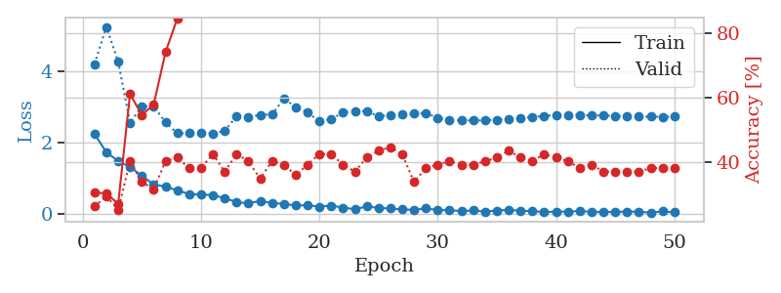
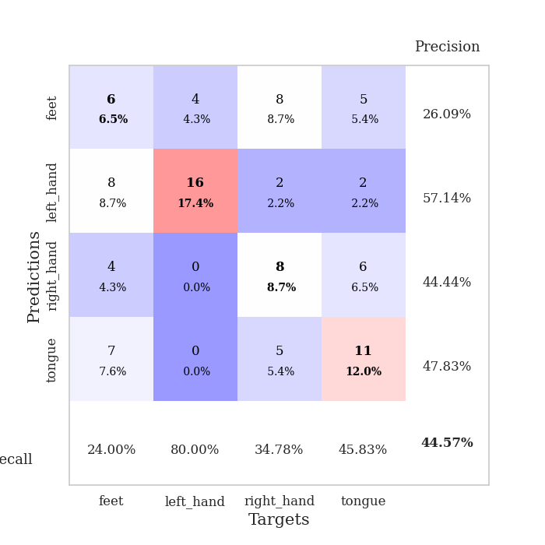
train_loss | valid_loss | train_accuracy | valid_accuracy | dur | train_misclass | valid_misclass
2.238363719 | 4.198255767 | 0.30434782609 | 0.26086956522 | 0.034839630127 | 30.434782609 | 26.086956522
1.7270069599 | 5.2379238295 | 0.30163043478 | 0.29347826087 | 0.03705239296 | 30.163043478 | 29.347826087
1.4819008112 | 4.2594097594 | 0.26902173913 | 0.25 | 0.033606052399 | 26.902173913 | 25
1.3176395893 | 2.5564615208 | 0.61141304348 | 0.40217391304 | 0.033047437668 | 61.141304348 | 40.217391304
1.0653174639 | 3.0195619023 | 0.54619565217 | 0.33695652174 | 0.033768177032 | 54.619565217 | 33.695652174
0.82538204193 | 3.0106498988 | 0.57880434783 | 0.3152173913 | 0.033015489578 | 57.880434783 | 31.52173913
0.76662353277 | 2.5608070415 | 0.74184782609 | 0.40217391304 | 0.032865762711 | 74.184782609 | 40.217391304
0.65630675554 | 2.2577039781 | 0.84782608696 | 0.41304347826 | 0.032881736755 | 84.782608696 | 41.304347826
0.5583391726 | 2.2631470535 | 0.8777173913 | 0.38043478261 | 0.033717870712 | 87.77173913 | 38.043478261
0.53792545795 | 2.2724317571 | 0.89402173913 | 0.38043478261 | 0.034552574158 | 89.402173913 | 38.043478261
0.53118831515 | 2.2528362585 | 0.91304347826 | 0.42391304348 | 0.033049583435 | 91.304347826 | 42.391304348
0.44048887491 | 2.3250013227 | 0.94293478261 | 0.36956521739 | 0.034174442291 | 94.293478261 | 36.956521739
0.33646034598 | 2.7337208312 | 0.90217391304 | 0.42391304348 | 0.033190250397 | 90.217391304 | 42.391304348
0.2944735229 | 2.7193729048 | 0.95108695652 | 0.40217391304 | 0.033068418503 | 95.108695652 | 40.217391304
0.36724432111 | 2.7710023859 | 0.95923913043 | 0.34782608696 | 0.033014774323 | 95.923913043 | 34.782608696
0.3017077744 | 2.7889890567 | 0.97282608696 | 0.40217391304 | 0.032902479172 | 97.282608696 | 40.217391304
0.28472593129 | 3.2237078003 | 0.92119565217 | 0.39130434783 | 0.032908201218 | 92.119565217 | 39.130434783
0.23522168696 | 2.99590117 | 0.97282608696 | 0.35869565217 | 0.032945632935 | 97.282608696 | 35.869565217
0.24513918459 | 2.8467714476 | 0.97010869565 | 0.39130434783 | 0.032977819443 | 97.010869565 | 39.130434783
0.20422154963 | 2.5857974446 | 0.98369565217 | 0.42391304348 | 0.03288602829 | 98.369565217 | 42.391304348
0.2339489013 | 2.6482686789 | 0.98097826087 | 0.42391304348 | 0.03281378746 | 98.097826087 | 42.391304348
0.17917189002 | 2.8436544667 | 0.97554347826 | 0.39130434783 | 0.032913446426 | 97.554347826 | 39.130434783
0.13163026571 | 2.8748217873 | 0.99184782609 | 0.36956521739 | 0.032828807831 | 99.184782609 | 36.956521739
0.21036976725 | 2.8733766183 | 0.98913043478 | 0.41304347826 | 0.03288435936 | 98.913043478 | 41.304347826
0.17021260709 | 2.7357217851 | 0.98369565217 | 0.4347826087 | 0.032784223557 | 98.369565217 | 43.47826087
0.15200510025 | 2.7723600657 | 0.98641304348 | 0.44565217391 | 0.034189939499 | 98.641304348 | 44.565217391
0.12473372966 | 2.7833088688 | 0.99184782609 | 0.42391304348 | 0.033859491348 | 99.184782609 | 42.391304348
0.11634861827 | 2.8055105935 | 0.99184782609 | 0.33695652174 | 0.032793045044 | 99.184782609 | 33.695652174
0.15527445078 | 2.8209802379 | 1 | 0.38043478261 | 0.032855987549 | 100 | 38.043478261
0.10964712054 | 2.6918374455 | 1 | 0.39130434783 | 0.032926797867 | 100 | 39.130434783
0.10650754794 | 2.6293297954 | 1 | 0.40217391304 | 0.032871484756 | 100 | 40.217391304
0.077699670941 | 2.6221039813 | 1 | 0.39130434783 | 0.032815933228 | 100 | 39.130434783
0.099256305769 | 2.616644227 | 1 | 0.39130434783 | 0.03302192688 | 100 | 39.130434783
0.067305225879 | 2.6212870556 | 1 | 0.40217391304 | 0.032799005508 | 100 | 40.217391304
0.095258574933 | 2.6399576457 | 1 | 0.41304347826 | 0.032801151276 | 100 | 41.304347826
0.11416010782 | 2.6620378909 | 1 | 0.4347826087 | 0.032853126526 | 100 | 43.47826087
0.089557185769 | 2.6866544848 | 1 | 0.41304347826 | 0.032861709595 | 100 | 41.304347826
0.077289249748 | 2.7077429502 | 1 | 0.40217391304 | 0.032814741135 | 100 | 40.217391304
0.053526692465 | 2.7479369018 | 1 | 0.42391304348 | 0.032812595367 | 100 | 42.391304348
0.06648606658 | 2.7653490046 | 1 | 0.41304347826 | 0.032797813416 | 100 | 41.304347826
0.063095985353 | 2.774930446 | 1 | 0.40217391304 | 0.032881975174 | 100 | 40.217391304
0.084736826271 | 2.7722036424 | 1 | 0.38043478261 | 0.032829284668 | 100 | 38.043478261
0.057553679496 | 2.7612232436 | 1 | 0.39130434783 | 0.032828807831 | 100 | 39.130434783
0.057656950876 | 2.7530644355 | 1 | 0.36956521739 | 0.032806873322 | 100 | 36.956521739
0.056826773286 | 2.741512112 | 1 | 0.36956521739 | 0.032782077789 | 100 | 36.956521739
0.066558490694 | 2.7315227467 | 1 | 0.36956521739 | 0.032897472382 | 100 | 36.956521739
0.062968024984 | 2.726816706 | 1 | 0.36956521739 | 0.032859563828 | 100 | 36.956521739
0.036070067063 | 2.7240137743 | 1 | 0.38043478261 | 0.032782316208 | 100 | 38.043478261
0.071303907782 | 2.7208253923 | 1 | 0.38043478261 | 0.032869100571 | 100 | 38.043478261
0.046603295952 | 2.7227755837 | 1 | 0.38043478261 | 0.032811880112 | 100 | 38.043478261

Best Val accuracy is 0.44565217391304346 and Best test accuracy is 0.4827586206896552

Sheet8
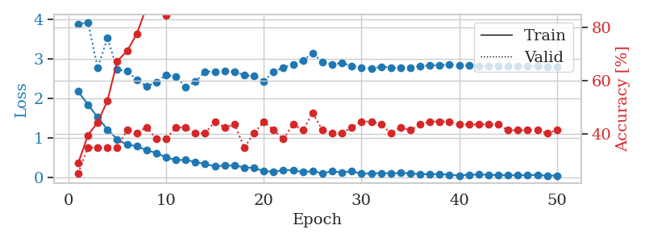
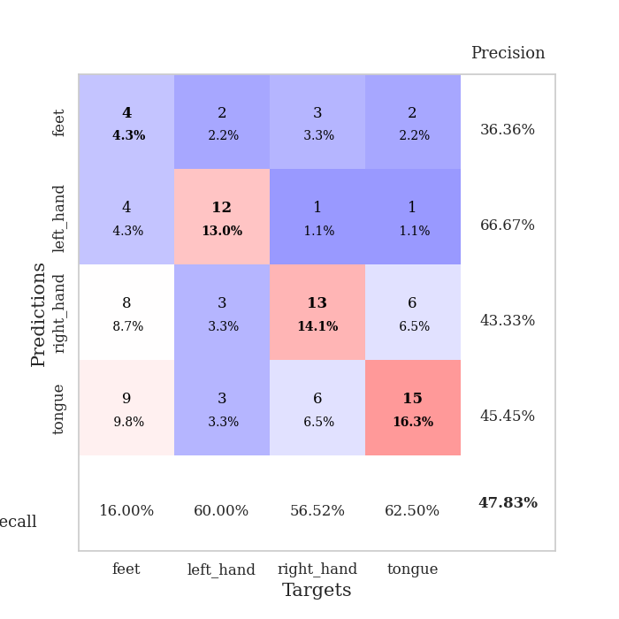
train_loss | valid_loss | train_accuracy | valid_accuracy | dur | train_misclass | valid_misclass
2.1841356039 | 3.8840608804 | 0.28804347826 | 0.25 | 0.035028457642 | 28.804347826 | 25
1.8504414797 | 3.9384345283 | 0.39402173913 | 0.34782608696 | 0.034236907959 | 39.402173913 | 34.782608696
1.529671073 | 2.786447836 | 0.44293478261 | 0.34782608696 | 0.034156799316 | 44.293478261 | 34.782608696
1.2185229063 | 3.5414514438 | 0.52445652174 | 0.34782608696 | 0.034038305283 | 52.445652174 | 34.782608696
0.97345997095 | 2.7335011233 | 0.67391304348 | 0.34782608696 | 0.034075260162 | 67.391304348 | 34.782608696
0.83314040899 | 2.7059672293 | 0.71195652174 | 0.41304347826 | 0.034021854401 | 71.195652174 | 41.304347826
0.80004706383 | 2.477228372 | 0.77717391304 | 0.40217391304 | 0.034318447113 | 77.717391304 | 40.217391304
0.69295706749 | 2.3095024876 | 0.8777173913 | 0.42391304348 | 0.03412437439 | 87.77173913 | 42.391304348
0.62617199421 | 2.4153015925 | 0.90217391304 | 0.38043478261 | 0.034230232239 | 90.217391304 | 38.043478261
0.51412790418 | 2.6013652242 | 0.84782608696 | 0.38043478261 | 0.034112215042 | 84.782608696 | 38.043478261
0.44459288716 | 2.5558632871 | 0.89945652174 | 0.42391304348 | 0.034044027328 | 89.945652174 | 42.391304348
0.44989954829 | 2.2989360872 | 0.96467391304 | 0.42391304348 | 0.034086465836 | 96.467391304 | 42.391304348
0.39556562901 | 2.431403015 | 0.95108695652 | 0.40217391304 | 0.034287452698 | 95.108695652 | 40.217391304
0.34609878659 | 2.6864617597 | 0.9375 | 0.40217391304 | 0.034034252167 | 93.75 | 40.217391304
0.28458940983 | 2.681072826 | 0.98641304348 | 0.44565217391 | 0.034103393555 | 98.641304348 | 44.565217391
0.30540390313 | 2.7009076968 | 0.97282608696 | 0.42391304348 | 0.034322977066 | 97.282608696 | 42.391304348
0.30773268342 | 2.6839189737 | 0.98097826087 | 0.4347826087 | 0.034222602844 | 98.097826087 | 43.47826087
0.25876357853 | 2.5955649666 | 0.95108695652 | 0.34782608696 | 0.034090995789 | 95.108695652 | 34.782608696
0.24467589855 | 2.574102184 | 0.97010869565 | 0.40217391304 | 0.034174442291 | 97.010869565 | 40.217391304
0.16630886793 | 2.4458550474 | 0.98913043478 | 0.44565217391 | 0.034345626831 | 98.913043478 | 44.565217391
0.14822667837 | 2.6834596655 | 0.97282608696 | 0.41304347826 | 0.03427362442 | 97.282608696 | 41.304347826
0.1915813759 | 2.7859565071 | 0.97826086957 | 0.38043478261 | 0.034512996674 | 97.826086957 | 38.043478261
0.19220397621 | 2.8743316816 | 0.98913043478 | 0.4347826087 | 0.034376144409 | 98.913043478 | 43.47826087
0.13778660297 | 2.9673290875 | 0.99456521739 | 0.41304347826 | 0.034301996231 | 99.456521739 | 41.304347826
0.16779239178 | 3.1527733388 | 0.97282608696 | 0.47826086957 | 0.034345388412 | 97.282608696 | 47.826086957
0.10794040263 | 2.9353828948 | 0.9972826087 | 0.41304347826 | 0.034423351288 | 99.72826087 | 41.304347826
0.16165147871 | 2.8688050457 | 1 | 0.40217391304 | 0.034214258194 | 100 | 40.217391304
0.13354740292 | 2.9052595263 | 0.99184782609 | 0.40217391304 | 0.034361124039 | 99.184782609 | 40.217391304
0.16206680834 | 2.8307778732 | 1 | 0.42391304348 | 0.034382581711 | 100 | 42.391304348
0.096500466764 | 2.7872314971 | 0.9972826087 | 0.44565217391 | 0.034325838089 | 99.72826087 | 44.565217391
0.10703944862 | 2.7674673433 | 0.9972826087 | 0.44565217391 | 0.034305810928 | 99.72826087 | 44.565217391
0.11354537755 | 2.8079835643 | 1 | 0.4347826087 | 0.034222841263 | 100 | 43.47826087
0.10745062605 | 2.7893432845 | 1 | 0.40217391304 | 0.034152030945 | 100 | 40.217391304
0.11839090735 | 2.7865547201 | 1 | 0.42391304348 | 0.034260749817 | 100 | 42.391304348
0.10922433287 | 2.7882220849 | 1 | 0.41304347826 | 0.034394025803 | 100 | 41.304347826
0.089603642374 | 2.8261884088 | 1 | 0.4347826087 | 0.034320354462 | 100 | 43.47826087
0.085680725425 | 2.843523492 | 1 | 0.44565217391 | 0.034383773804 | 100 | 44.565217391
0.092529363185 | 2.8513723767 | 1 | 0.44565217391 | 0.034327983856 | 100 | 44.565217391
0.070610191114 | 2.8618241082 | 1 | 0.44565217391 | 0.034317493439 | 100 | 44.565217391
0.055081809685 | 2.8482652643 | 1 | 0.4347826087 | 0.034343242645 | 100 | 43.47826087
0.074620895833 | 2.8413908067 | 1 | 0.4347826087 | 0.034366846085 | 100 | 43.47826087
0.076360041648 | 2.832313548 | 1 | 0.4347826087 | 0.034353733063 | 100 | 43.47826087
0.075069781393 | 2.8271414404 | 1 | 0.4347826087 | 0.03435921669 | 100 | 43.47826087
0.059978745505 | 2.8265486282 | 1 | 0.4347826087 | 0.034349679947 | 100 | 43.47826087
0.06494888626 | 2.8233949205 | 1 | 0.41304347826 | 0.034415721893 | 100 | 41.304347826
0.058195478469 | 2.8190103614 | 1 | 0.41304347826 | 0.034368991852 | 100 | 41.304347826
0.063995890319 | 2.8176540395 | 1 | 0.41304347826 | 0.034149169922 | 100 | 41.304347826
0.066921693832 | 2.8148730216 | 1 | 0.41304347826 | 0.034349918365 | 100 | 41.304347826
0.05031283088 | 2.8126366657 | 1 | 0.40217391304 | 0.034281730652 | 100 | 40.217391304
0.054424630478 | 2.812333646 | 1 | 0.41304347826 | 0.0363240242 | 100 | 41.304347826

Best Val accuracy is 0.4782608695652174 and Best test accuracy is 0.46551724137931033

Sheet9
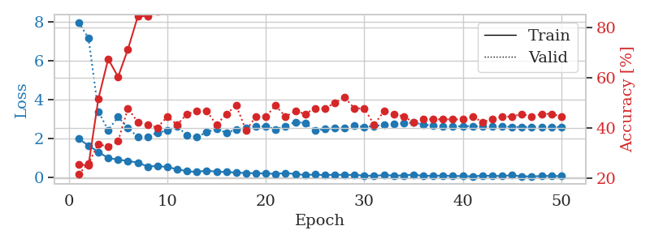
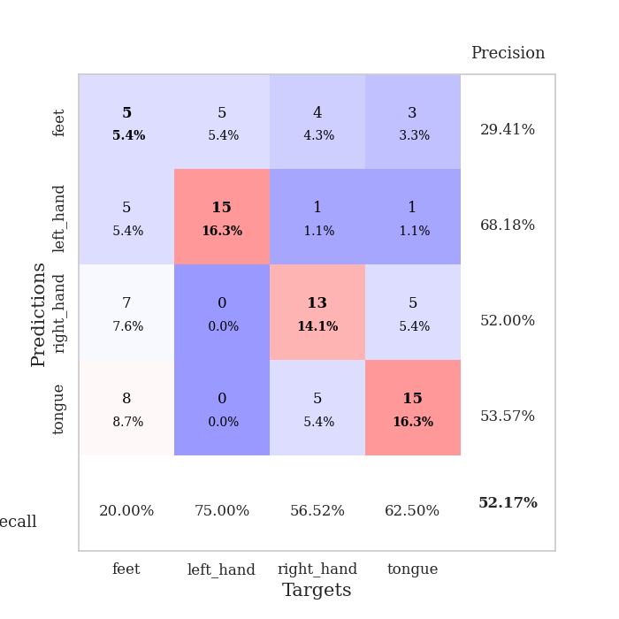
train_loss | valid_loss | train_accuracy | valid_accuracy | dur | train_misclass | valid_misclass
1.9736751318 | 7.972579728 | 0.25543478261 | 0.21739130435 | 0.037368535995 | 25.543478261 | 21.739130435
1.6291749477 | 7.1566727887 | 0.2527173913 | 0.26086956522 | 0.036140918732 | 25.27173913 | 26.086956522
1.2925128937 | 3.3809976059 | 0.51630434783 | 0.33695652174 | 0.034244298935 | 51.630434783 | 33.695652174
0.98789007664 | 2.4166742615 | 0.67391304348 | 0.32608695652 | 0.034300088882 | 67.391304348 | 32.608695652
0.90007365942 | 3.0983870755 | 0.60326086957 | 0.34782608696 | 0.034077644348 | 60.326086957 | 34.782608696
0.83475630283 | 2.5410448572 | 0.71195652174 | 0.47826086957 | 0.034411668777 | 71.195652174 | 47.826086957
0.74976546764 | 2.0632144161 | 0.84239130435 | 0.42391304348 | 0.034324407578 | 84.239130435 | 42.391304348
0.54907054901 | 2.09134488 | 0.84510869565 | 0.41304347826 | 0.034087896347 | 84.510869565 | 41.304347826
0.57233732343 | 2.2794295342 | 0.86141304348 | 0.40217391304 | 0.034198045731 | 86.141304348 | 40.217391304
0.52122114301 | 2.4027584739 | 0.89673913043 | 0.44565217391 | 0.034124612808 | 89.673913043 | 44.565217391
0.40972090364 | 2.6197252896 | 0.90217391304 | 0.41304347826 | 0.034204721451 | 90.217391304 | 41.304347826
0.30276204944 | 2.145694401 | 0.93206521739 | 0.45652173913 | 0.034198522568 | 93.206521739 | 45.652173913
0.27128934264 | 2.071567157 | 0.9375 | 0.46739130435 | 0.034092664719 | 93.75 | 46.739130435
0.3389234364 | 2.3131149022 | 0.9402173913 | 0.46739130435 | 0.034197807312 | 94.02173913 | 46.739130435
0.27975767553 | 2.4947583883 | 0.95923913043 | 0.41304347826 | 0.034176826477 | 95.923913043 | 41.304347826
0.26764604598 | 2.2823903975 | 0.97010869565 | 0.45652173913 | 0.034228801727 | 97.010869565 | 45.652173913
0.22909785807 | 2.4676077055 | 0.92934782609 | 0.48913043478 | 0.034116983414 | 92.934782609 | 48.913043478
0.21589586586 | 2.5355091924 | 0.95652173913 | 0.39130434783 | 0.034336805344 | 95.652173913 | 39.130434783
0.19720298052 | 2.5989567508 | 0.98913043478 | 0.44565217391 | 0.034157514572 | 98.913043478 | 44.565217391
0.19062126279 | 2.6156329798 | 0.99184782609 | 0.44565217391 | 0.034147024155 | 99.184782609 | 44.565217391
0.1671916008 | 2.4682438788 | 0.99456521739 | 0.48913043478 | 0.034197092056 | 99.456521739 | 48.913043478
0.20783924013 | 2.6328839219 | 0.98641304348 | 0.44565217391 | 0.034122228622 | 98.641304348 | 44.565217391
0.16141227484 | 2.8408271955 | 0.98641304348 | 0.46739130435 | 0.037015676498 | 98.641304348 | 46.739130435
0.10952728689 | 2.7871372907 | 0.99456521739 | 0.45652173913 | 0.034069776535 | 99.456521739 | 45.652173913
0.135010387 | 2.4070014694 | 0.99184782609 | 0.47826086957 | 0.034143686295 | 99.184782609 | 47.826086957
0.10186414942 | 2.4735458053 | 0.97826086957 | 0.47826086957 | 0.034015417099 | 97.826086957 | 47.826086957
0.13095861971 | 2.5147961741 | 0.99184782609 | 0.5 | 0.034119606018 | 99.184782609 | 50
0.11414267421 | 2.5120441706 | 0.99184782609 | 0.52173913043 | 0.034420251846 | 99.184782609 | 52.173913043
0.11120629907 | 2.6378914895 | 0.99184782609 | 0.47826086957 | 0.037023544312 | 99.184782609 | 47.826086957
0.087667560577 | 2.5818600344 | 0.9972826087 | 0.47826086957 | 0.034199476242 | 99.72826087 | 47.826086957
0.061299447715 | 2.6332013192 | 1 | 0.41304347826 | 0.036190032959 | 100 | 41.304347826
0.11400424764 | 2.6850996639 | 1 | 0.46739130435 | 0.034130573273 | 100 | 46.739130435
0.076138364524 | 2.7404653611 | 1 | 0.45652173913 | 0.034070253372 | 100 | 45.652173913
0.089098580182 | 2.7776254053 | 1 | 0.44565217391 | 0.034068822861 | 100 | 44.565217391
0.12894247547 | 2.8081202818 | 1 | 0.42391304348 | 0.034071683884 | 100 | 42.391304348
0.065138661116 | 2.7119174833 | 1 | 0.4347826087 | 0.034126758575 | 100 | 43.47826087
0.071214360371 | 2.641809733 | 1 | 0.4347826087 | 0.034160614014 | 100 | 43.47826087
0.076812187582 | 2.6081559658 | 1 | 0.4347826087 | 0.034157037735 | 100 | 43.47826087
0.05752450712 | 2.6095831809 | 1 | 0.4347826087 | 0.03410077095 | 100 | 43.47826087
0.060204261541 | 2.6238928878 | 1 | 0.4347826087 | 0.034120082855 | 100 | 43.47826087
0.039638341963 | 2.6260941443 | 1 | 0.44565217391 | 0.034062147141 | 100 | 44.565217391
0.079485633597 | 2.6205600034 | 1 | 0.42391304348 | 0.034058094025 | 100 | 42.391304348
0.060111297667 | 2.6285748896 | 1 | 0.4347826087 | 0.034088850021 | 100 | 43.47826087
0.065458111092 | 2.6112336076 | 1 | 0.44565217391 | 0.03408741951 | 100 | 44.565217391
0.092028524354 | 2.5873309218 | 1 | 0.44565217391 | 0.034140825272 | 100 | 44.565217391
0.043418649957 | 2.5796026251 | 1 | 0.45652173913 | 0.03417301178 | 100 | 45.652173913
0.04042368494 | 2.5811545953 | 1 | 0.44565217391 | 0.034165143967 | 100 | 44.565217391
0.059209560603 | 2.5826140279 | 1 | 0.45652173913 | 0.034179210663 | 100 | 45.652173913
0.064578765631 | 2.5821502209 | 1 | 0.45652173913 | 0.034139156342 | 100 | 45.652173913
0.051065577939 | 2.5820081752 | 1 | 0.44565217391 | 0.034245729446 | 100 | 44.565217391

Best Val accuracy is 0.5217391304347826 and Best test accuracy is 0.5

Sheet10
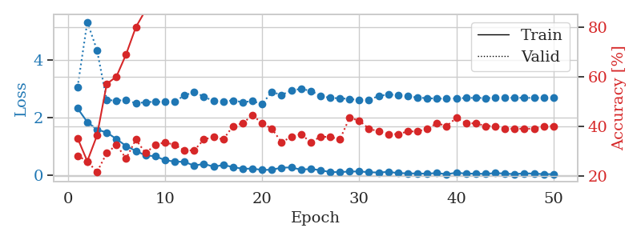
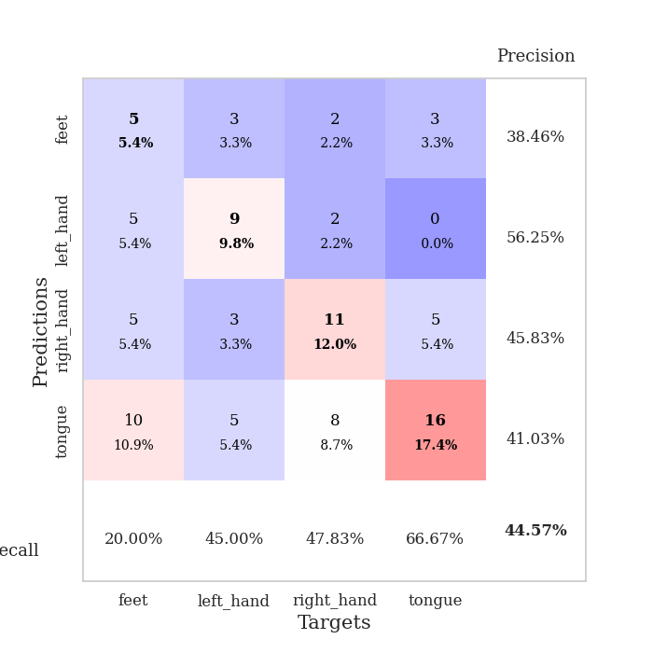
train_loss | valid_loss | train_accuracy | valid_accuracy | dur | train_misclass | valid_misclass
2.3258376122 | 3.0624192072 | 0.35326086957 | 0.28260869565 | 0.035183191299 | 35.326086957 | 28.260869565
1.8523313522 | 5.3139373738 | 0.26086956522 | 0.26086956522 | 0.03404211998 | 26.086956522 | 26.086956522
1.5927816391 | 4.3389116163 | 0.36413043478 | 0.21739130435 | 0.033957719803 | 36.413043478 | 21.739130435
1.4907418966 | 2.6192255124 | 0.57065217391 | 0.29347826087 | 0.034078121185 | 57.065217391 | 29.347826087
1.2651147127 | 2.5909141976 | 0.60054347826 | 0.32608695652 | 0.034191608429 | 60.054347826 | 32.608695652
1.0232271314 | 2.6203786601 | 0.6902173913 | 0.27173913043 | 0.034286022186 | 69.02173913 | 27.173913043
0.85405524969 | 2.4985251427 | 0.79891304348 | 0.34782608696 | 0.034072399139 | 79.891304348 | 34.782608696
0.69678539038 | 2.5422269054 | 0.86684782609 | 0.29347826087 | 0.034285068512 | 86.684782609 | 29.347826087
0.67069901228 | 2.5543340082 | 0.89130434783 | 0.32608695652 | 0.034269094467 | 89.130434783 | 32.608695652
0.53241429925 | 2.5463471931 | 0.88043478261 | 0.33695652174 | 0.034519672394 | 88.043478261 | 33.695652174
0.48584444523 | 2.5661421651 | 0.94836956522 | 0.32608695652 | 0.034125089645 | 94.836956522 | 32.608695652
0.47430669665 | 2.7690946952 | 0.89402173913 | 0.30434782609 | 0.034171819687 | 89.402173913 | 30.434782609
0.34423891306 | 2.898035547 | 0.9375 | 0.30434782609 | 0.034100055695 | 93.75 | 30.434782609
0.40784294903 | 2.7294770635 | 0.95108695652 | 0.34782608696 | 0.034237384796 | 95.108695652 | 34.782608696
0.30725619793 | 2.5809204993 | 0.95923913043 | 0.35869565217 | 0.034105062485 | 95.923913043 | 35.869565217
0.3651660502 | 2.5683946299 | 0.95923913043 | 0.34782608696 | 0.034426212311 | 95.923913043 | 34.782608696
0.2960380733 | 2.6010767895 | 0.93206521739 | 0.40217391304 | 0.034142494202 | 93.206521739 | 40.217391304
0.23417763114 | 2.5404388075 | 0.97826086957 | 0.41304347826 | 0.03604221344 | 97.826086957 | 41.304347826
0.24326037169 | 2.5749100084 | 0.97010869565 | 0.44565217391 | 0.034408330917 | 97.010869565 | 44.565217391
0.19309265167 | 2.4805519166 | 0.97826086957 | 0.41304347826 | 0.034369707108 | 97.826086957 | 41.304347826
0.20457523763 | 2.8927320916 | 0.92934782609 | 0.39130434783 | 0.034388780594 | 92.934782609 | 39.130434783
0.27286474109 | 2.7915976048 | 0.97554347826 | 0.33695652174 | 0.034235954285 | 97.554347826 | 33.695652174
0.28282034695 | 2.9407265497 | 0.99456521739 | 0.35869565217 | 0.03423333168 | 99.456521739 | 35.869565217
0.20484241247 | 3.0031397343 | 0.99184782609 | 0.36956521739 | 0.03434252739 | 99.184782609 | 36.956521739
0.23007487059 | 2.930050031 | 0.97826086957 | 0.33695652174 | 0.034225702286 | 97.826086957 | 33.695652174
0.18654742241 | 2.7653083283 | 0.99456521739 | 0.35869565217 | 0.03407740593 | 99.456521739 | 35.869565217
0.11954132468 | 2.6848359834 | 0.98913043478 | 0.35869565217 | 0.034320831299 | 98.913043478 | 35.869565217
0.12218310833 | 2.6775802944 | 0.9972826087 | 0.34782608696 | 0.034161090851 | 99.72826087 | 34.782608696
0.13749559522 | 2.6511893998 | 1 | 0.4347826087 | 0.034446001053 | 100 | 43.47826087
0.14436092079 | 2.614676631 | 1 | 0.42391304348 | 0.034110784531 | 100 | 42.391304348
0.11527094841 | 2.6197110777 | 0.9972826087 | 0.39130434783 | 0.034209012985 | 99.72826087 | 39.130434783
0.10573881827 | 2.7542049366 | 0.9972826087 | 0.38043478261 | 0.034165382385 | 99.72826087 | 38.043478261
0.1285208758 | 2.8042988674 | 0.9972826087 | 0.36956521739 | 0.03418302536 | 99.72826087 | 36.956521739
0.086133283377 | 2.79036751 | 1 | 0.36956521739 | 0.034217834473 | 100 | 36.956521739
0.0777076222 | 2.7462139233 | 1 | 0.38043478261 | 0.034317016602 | 100 | 38.043478261
0.071706593782 | 2.6976350183 | 1 | 0.38043478261 | 0.034153223038 | 100 | 38.043478261
0.067684437335 | 2.6799412499 | 1 | 0.39130434783 | 0.034238815308 | 100 | 39.130434783
0.087176667154 | 2.6614914044 | 1 | 0.41304347826 | 0.033965826035 | 100 | 41.304347826
0.047804194316 | 2.6657041259 | 1 | 0.40217391304 | 0.033905744553 | 100 | 40.217391304
0.099804669619 | 2.6735219333 | 1 | 0.4347826087 | 0.035461425781 | 100 | 43.47826087
0.068208834156 | 2.6847665206 | 1 | 0.41304347826 | 0.034226417542 | 100 | 41.304347826
0.068305470049 | 2.691343577 | 1 | 0.41304347826 | 0.033823251724 | 100 | 41.304347826
0.057277978584 | 2.6833762086 | 1 | 0.40217391304 | 0.034264087677 | 100 | 40.217391304
0.087466559559 | 2.6861018409 | 1 | 0.40217391304 | 0.033851385117 | 100 | 40.217391304
0.069268256426 | 2.6921757719 | 1 | 0.39130434783 | 0.034104585648 | 100 | 39.130434783
0.050261345878 | 2.6922820755 | 1 | 0.39130434783 | 0.034138441086 | 100 | 39.130434783
0.079556141049 | 2.6900676541 | 1 | 0.39130434783 | 0.034094572067 | 100 | 39.130434783
0.066657839715 | 2.6885078783 | 1 | 0.39130434783 | 0.034111738205 | 100 | 39.130434783
0.052354730293 | 2.6871621816 | 1 | 0.40217391304 | 0.033959388733 | 100 | 40.217391304
0.049213251099 | 2.6881547389 | 1 | 0.40217391304 | 0.034528970718 | 100 | 40.217391304

Best Val accuracy is 0.44565217391304346 and Best test accuracy is 0.43103448275862066

