Sheet
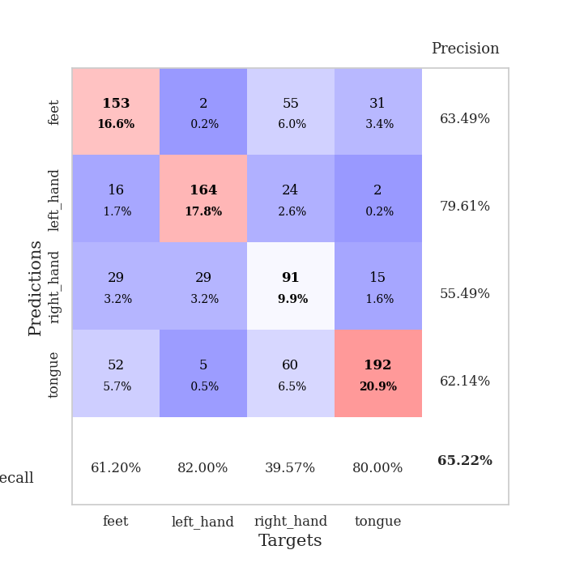
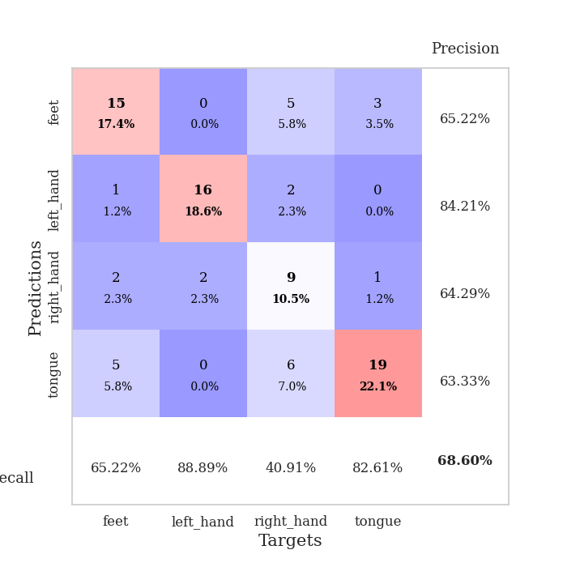
best_val_acc | best_val_los | best_test_acc
0.67391304348 | 2.50279835 | 0.54310344828
0.61956521739 | 1.941762437 | 0.5775862069
0.6847826087 | 1.9122342027 | 0.55172413793
0.65217391304 | 1.7902232979 | 0.49137931034
0.69565217391 | 1.9728940777 | 0.55172413793
0.63043478261 | 2.0185722994 | 0.47413793103
0.63043478261 | 1.9991455285 | 0.56896551724
0.67391304348 | 1.9724598864 | 0.52586206897
0.61956521739 | 2.0262250278 | 0.55172413793
0.64130434783 | 2.1195844567 | 0.54310344828

Mean,std Val accuracy is 0.6521739130434783 , 0.028065096711647954 and mean, std test accuracy is 0.5379310344827586 , 0.03256141488325355

Sheet1
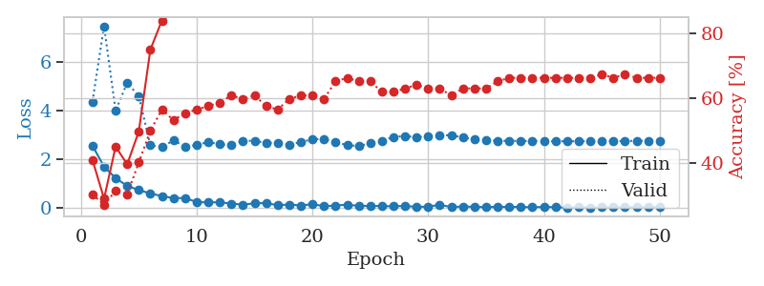
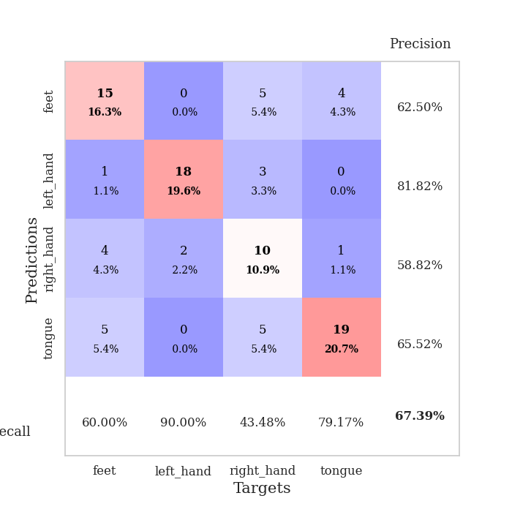
train_loss | valid_loss | train_accuracy | valid_accuracy | dur | train_misclass | valid_misclass
2.558480835 | 4.3650128427 | 0.41032608696 | 0.30434782609 | 0.034723997116 | 41.032608696 | 30.434782609
1.6887843132 | 7.4747670422 | 0.29076086957 | 0.27173913043 | 0.033730268478 | 29.076086957 | 27.173913043
1.220897007 | 3.9952428237 | 0.45108695652 | 0.3152173913 | 0.032467842102 | 45.108695652 | 31.52173913
0.89774736166 | 5.1449181723 | 0.39673913043 | 0.30434782609 | 0.033313751221 | 39.673913043 | 30.434782609
0.72996543646 | 4.5972656582 | 0.4972826087 | 0.40217391304 | 0.032441854477 | 49.72826087 | 40.217391304
0.58505800366 | 2.5727398707 | 0.75 | 0.5 | 0.033235549927 | 75 | 50
0.48084542453 | 2.50279835 | 0.83967391304 | 0.5652173913 | 0.033394813538 | 83.967391304 | 56.52173913
0.3929466188 | 2.7726910011 | 0.86684782609 | 0.53260869565 | 0.033604621887 | 86.684782609 | 53.260869565
0.40089150667 | 2.517074388 | 0.91847826087 | 0.55434782609 | 0.032349824905 | 91.847826087 | 55.434782609
0.23440817893 | 2.576913336 | 0.92934782609 | 0.5652173913 | 0.032604455948 | 92.934782609 | 56.52173913
0.21783649623 | 2.7118204366 | 0.95652173913 | 0.57608695652 | 0.032461881638 | 95.652173913 | 57.608695652
0.22626495361 | 2.6072202558 | 0.98097826087 | 0.58695652174 | 0.033413171768 | 98.097826087 | 58.695652174
0.16754288673 | 2.5956710525 | 0.98641304348 | 0.60869565217 | 0.032990217209 | 98.641304348 | 60.869565217
0.13004013002 | 2.7561344271 | 0.97826086957 | 0.59782608696 | 0.033150434494 | 97.826086957 | 59.782608696
0.17892325372 | 2.7551414034 | 0.97826086957 | 0.60869565217 | 0.0325756073 | 97.826086957 | 60.869565217
0.19233037829 | 2.6726385821 | 0.98641304348 | 0.57608695652 | 0.032334566116 | 98.641304348 | 57.608695652
0.10020981133 | 2.6711062556 | 0.99456521739 | 0.5652173913 | 0.032521009445 | 99.456521739 | 56.52173913
0.13204474226 | 2.5940221185 | 0.9972826087 | 0.59782608696 | 0.032516241074 | 99.72826087 | 59.782608696
0.09160476923 | 2.7078042341 | 0.99184782609 | 0.60869565217 | 0.032492876053 | 99.184782609 | 60.869565217
0.14619087465 | 2.8133921934 | 0.9972826087 | 0.60869565217 | 0.03235411644 | 99.72826087 | 60.869565217
0.063683096692 | 2.8357262715 | 0.99456521739 | 0.59782608696 | 0.032786130905 | 99.456521739 | 59.782608696
0.088608353585 | 2.7022848337 | 0.99456521739 | 0.65217391304 | 0.032676935196 | 99.456521739 | 65.217391304
0.12710282691 | 2.5781894145 | 0.9972826087 | 0.66304347826 | 0.033951997757 | 99.72826087 | 66.304347826
0.073644015193 | 2.5437777146 | 1 | 0.65217391304 | 0.033827066422 | 100 | 65.217391304
0.075414690562 | 2.6488388621 | 1 | 0.65217391304 | 0.03339266777 | 100 | 65.217391304
0.069189812988 | 2.7585643374 | 0.9972826087 | 0.61956521739 | 0.032687664032 | 99.72826087 | 61.956521739
0.057396302372 | 2.9127701262 | 0.9972826087 | 0.61956521739 | 0.03277349472 | 99.72826087 | 61.956521739
0.076322600245 | 2.9545083357 | 0.9972826087 | 0.63043478261 | 0.032719612122 | 99.72826087 | 63.043478261
0.033183426037 | 2.9053593408 | 0.9972826087 | 0.64130434783 | 0.032790899277 | 99.72826087 | 64.130434783
0.047361876164 | 2.9312322036 | 0.9972826087 | 0.63043478261 | 0.032755613327 | 99.72826087 | 63.043478261
0.11881328672 | 2.9765552852 | 0.9972826087 | 0.63043478261 | 0.032727241516 | 99.72826087 | 63.043478261
0.026106113009 | 2.9888376982 | 0.9972826087 | 0.60869565217 | 0.032738924026 | 99.72826087 | 60.869565217
0.051462427201 | 2.8886221077 | 1 | 0.63043478261 | 0.03271818161 | 100 | 63.043478261
0.037052229047 | 2.8190388058 | 1 | 0.63043478261 | 0.032780885696 | 100 | 63.043478261
0.022889289074 | 2.7770122134 | 1 | 0.63043478261 | 0.032780647278 | 100 | 63.043478261
0.037099540979 | 2.7583224877 | 1 | 0.65217391304 | 0.032727003098 | 100 | 65.217391304
0.029354197532 | 2.7535094075 | 1 | 0.66304347826 | 0.032746553421 | 100 | 66.304347826
0.03651333414 | 2.7491599477 | 1 | 0.66304347826 | 0.032840967178 | 100 | 66.304347826
0.015939526167 | 2.7460391832 | 1 | 0.66304347826 | 0.032717227936 | 100 | 66.304347826
0.036920536775 | 2.7389848232 | 1 | 0.66304347826 | 0.032730579376 | 100 | 66.304347826
0.020402005035 | 2.7347375517 | 1 | 0.66304347826 | 0.032765865326 | 100 | 66.304347826
0.0056547184009 | 2.7373396625 | 1 | 0.66304347826 | 0.032746553421 | 100 | 66.304347826
0.020356042846 | 2.736052171 | 1 | 0.66304347826 | 0.032747030258 | 100 | 66.304347826
0.010117161251 | 2.7373791052 | 1 | 0.66304347826 | 0.032749652863 | 100 | 66.304347826
0.015125746001 | 2.7424531294 | 1 | 0.67391304348 | 0.032769441605 | 100 | 67.391304348
0.019491126016 | 2.7450971396 | 1 | 0.66304347826 | 0.033709049225 | 100 | 66.304347826
0.018744785897 | 2.7471436521 | 1 | 0.67391304348 | 0.032800197601 | 100 | 67.391304348
0.026212025061 | 2.7521436836 | 1 | 0.66304347826 | 0.032828330994 | 100 | 66.304347826
0.023601186462 | 2.7537222842 | 1 | 0.66304347826 | 0.034262180328 | 100 | 66.304347826
0.034647607803 | 2.7537212579 | 1 | 0.66304347826 | 0.032994747162 | 100 | 66.304347826

Best Val accuracy is 0.6739130434782609 and Best test accuracy is 0.5431034482758621

Sheet2
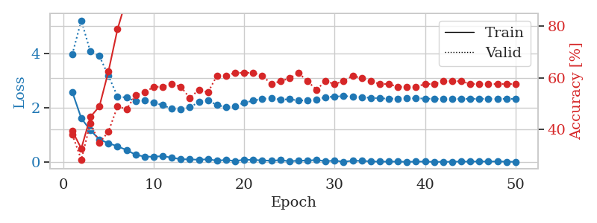
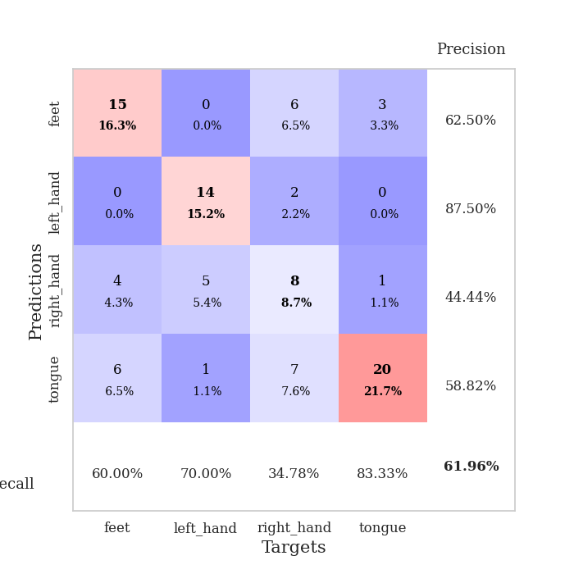
train_loss | valid_loss | train_accuracy | valid_accuracy | dur | train_misclass | valid_misclass
2.5921148062 | 3.9726407735 | 0.39402173913 | 0.38043478261 | 0.035273790359 | 39.402173913 | 38.043478261
1.6201738596 | 5.2257859189 | 0.32608695652 | 0.28260869565 | 0.0346326828 | 32.608695652 | 28.260869565
1.1811476946 | 4.0771442289 | 0.44836956522 | 0.42391304348 | 0.034644842148 | 44.836956522 | 42.391304348
0.83813786507 | 3.9134489039 | 0.48913043478 | 0.34782608696 | 0.034472227097 | 48.913043478 | 34.782608696
0.70111386776 | 3.1872305766 | 0.625 | 0.39130434783 | 0.034453868866 | 62.5 | 39.130434783
0.58616284132 | 2.4234910841 | 0.78804347826 | 0.48913043478 | 0.034403562546 | 78.804347826 | 48.913043478
0.44990896583 | 2.3836432903 | 0.90760869565 | 0.47826086957 | 0.034479856491 | 90.760869565 | 47.826086957
0.27468485236 | 2.2485765063 | 0.9347826087 | 0.53260869565 | 0.038017272949 | 93.47826087 | 53.260869565
0.20742861331 | 2.2927932221 | 0.91847826087 | 0.54347826087 | 0.034398317337 | 91.847826087 | 54.347826087
0.20191483796 | 2.1927768873 | 0.9402173913 | 0.5652173913 | 0.03457403183 | 94.02173913 | 56.52173913
0.22560020387 | 2.1031095152 | 0.98913043478 | 0.5652173913 | 0.034683704376 | 98.913043478 | 56.52173913
0.16791601181 | 1.9694880921 | 0.9972826087 | 0.57608695652 | 0.034656047821 | 99.72826087 | 57.608695652
0.11121294945 | 1.941762437 | 1 | 0.5652173913 | 0.034726381302 | 100 | 56.52173913
0.10526484624 | 2.0222174188 | 1 | 0.52173913043 | 0.034503936768 | 100 | 52.173913043
0.092127431184 | 2.2188388368 | 0.9972826087 | 0.55434782609 | 0.034719467163 | 99.72826087 | 55.434782609
0.10953018069 | 2.27445194 | 0.99456521739 | 0.54347826087 | 0.034651517868 | 99.456521739 | 54.347826087
0.058397516608 | 2.1131522759 | 1 | 0.60869565217 | 0.03652215004 | 100 | 60.869565217
0.08417106308 | 2.027339956 | 1 | 0.60869565217 | 0.034679889679 | 100 | 60.869565217
0.042935370654 | 2.0746768143 | 1 | 0.61956521739 | 0.035168886185 | 100 | 61.956521739
0.093202196807 | 2.1899254115 | 1 | 0.61956521739 | 0.037129163742 | 100 | 61.956521739
0.085642153025 | 2.2721308107 | 1 | 0.61956521739 | 0.036899089813 | 100 | 61.956521739
0.067393873632 | 2.3297638478 | 1 | 0.60869565217 | 0.035335540771 | 100 | 60.869565217
0.055233434215 | 2.3662920309 | 0.9972826087 | 0.57608695652 | 0.037374258041 | 99.72826087 | 57.608695652
0.076259566844 | 2.3084959051 | 1 | 0.58695652174 | 0.034281730652 | 100 | 58.695652174
0.036795061175 | 2.3219161448 | 1 | 0.59782608696 | 0.034218549728 | 100 | 59.782608696
0.056828692555 | 2.2754782179 | 1 | 0.61956521739 | 0.036374092102 | 100 | 61.956521739
0.061876921356 | 2.2841936816 | 1 | 0.58695652174 | 0.034387111664 | 100 | 58.695652174
0.081155064702 | 2.3144585775 | 1 | 0.55434782609 | 0.034693241119 | 100 | 55.434782609
0.038458346948 | 2.395987832 | 1 | 0.58695652174 | 0.034800052643 | 100 | 58.695652174
0.058581805602 | 2.4198462652 | 1 | 0.57608695652 | 0.034612894058 | 100 | 57.608695652
0.019271976221 | 2.4357765343 | 1 | 0.58695652174 | 0.034789800644 | 100 | 58.695652174
0.055390347354 | 2.4261995606 | 1 | 0.60869565217 | 0.034781694412 | 100 | 60.869565217
0.049841228686 | 2.3992474908 | 1 | 0.59782608696 | 0.034655094147 | 100 | 59.782608696
0.031774393097 | 2.371639656 | 1 | 0.58695652174 | 0.034783363342 | 100 | 58.695652174
0.020208926871 | 2.3575880631 | 1 | 0.57608695652 | 0.034601211548 | 100 | 57.608695652
0.02390451096 | 2.3412395249 | 1 | 0.57608695652 | 0.03477191925 | 100 | 57.608695652
0.022782456037 | 2.3455534707 | 1 | 0.5652173913 | 0.034752130508 | 100 | 56.52173913
0.013226599526 | 2.3505442868 | 1 | 0.5652173913 | 0.034563064575 | 100 | 56.52173913
0.022130878875 | 2.3545735193 | 1 | 0.5652173913 | 0.034655332565 | 100 | 56.52173913
0.023930172529 | 2.3473589317 | 1 | 0.57608695652 | 0.037157773972 | 100 | 57.608695652
0.013620792143 | 2.3387458532 | 1 | 0.57608695652 | 0.03458237648 | 100 | 57.608695652
0.015395000204 | 2.334330538 | 1 | 0.58695652174 | 0.034571886063 | 100 | 58.695652174
0.017414720356 | 2.3291102492 | 1 | 0.58695652174 | 0.034685850143 | 100 | 58.695652174
0.027328927629 | 2.333131956 | 1 | 0.58695652174 | 0.034730911255 | 100 | 58.695652174
0.021249045059 | 2.3368816998 | 1 | 0.57608695652 | 0.034598827362 | 100 | 57.608695652
0.031976902345 | 2.3356996827 | 1 | 0.57608695652 | 0.034638166428 | 100 | 57.608695652
0.023047788092 | 2.3380431196 | 1 | 0.57608695652 | 0.034644842148 | 100 | 57.608695652
0.031200090144 | 2.3349644205 | 1 | 0.57608695652 | 0.034655809402 | 100 | 57.608695652
0.019461246207 | 2.3362841295 | 1 | 0.57608695652 | 0.034823894501 | 100 | 57.608695652
0.014794786181 | 2.3316132815 | 1 | 0.57608695652 | 0.03481388092 | 100 | 57.608695652

Best Val accuracy is 0.6195652173913043 and Best test accuracy is 0.5775862068965517

Sheet3
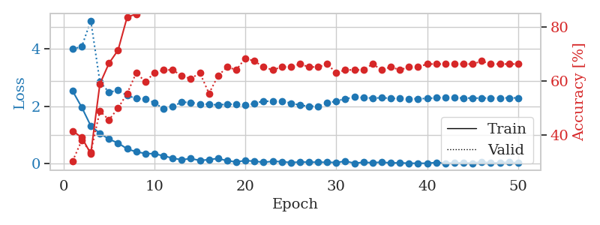
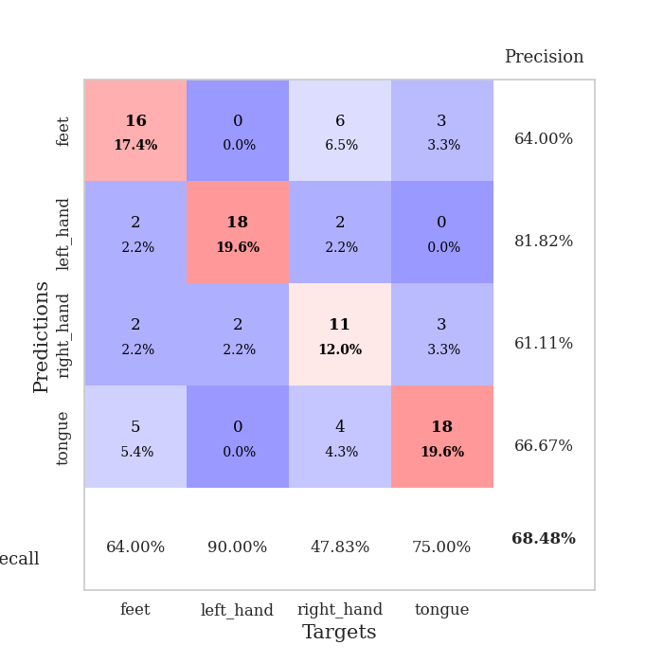
train_loss | valid_loss | train_accuracy | valid_accuracy | dur | train_misclass | valid_misclass
2.5329343081 | 4.0062417051 | 0.41576086957 | 0.30434782609 | 0.03790140152 | 41.576086957 | 30.434782609
1.9705018282 | 4.0766284051 | 0.39130434783 | 0.38043478261 | 0.034534215927 | 39.130434783 | 38.043478261
1.3183679581 | 4.9889970551 | 0.33152173913 | 0.33695652174 | 0.034448623657 | 33.152173913 | 33.695652174
1.0575854063 | 2.853239443 | 0.58967391304 | 0.48913043478 | 0.034353017807 | 58.967391304 | 48.913043478
0.85743148327 | 2.4925635742 | 0.66576086957 | 0.45652173913 | 0.034599781036 | 66.576086957 | 45.652173913
0.71980878115 | 2.5596820479 | 0.71467391304 | 0.5 | 0.034601688385 | 71.467391304 | 50
0.51739833951 | 2.3758635314 | 0.83695652174 | 0.55434782609 | 0.034795045853 | 83.695652174 | 55.434782609
0.41265034676 | 2.2769711121 | 0.84782608696 | 0.63043478261 | 0.034742593765 | 84.782608696 | 63.043478261
0.35872165561 | 2.2517650335 | 0.875 | 0.59782608696 | 0.034840583801 | 87.5 | 59.782608696
0.34420343935 | 2.1289652638 | 0.9402173913 | 0.63043478261 | 0.034524917603 | 94.02173913 | 63.043478261
0.27555748224 | 1.9122342027 | 0.97010869565 | 0.64130434783 | 0.034585952759 | 97.010869565 | 64.130434783
0.19262018055 | 1.9952142653 | 0.98097826087 | 0.64130434783 | 0.034973144531 | 98.097826087 | 64.130434783
0.13709766045 | 2.1463096971 | 0.97554347826 | 0.61956521739 | 0.034711360931 | 97.554347826 | 61.956521739
0.18057004511 | 2.1369241321 | 0.98369565217 | 0.60869565217 | 0.034548282623 | 98.369565217 | 60.869565217
0.11232442856 | 2.0817115825 | 0.99184782609 | 0.63043478261 | 0.03461432457 | 99.184782609 | 63.043478261
0.14253649116 | 2.0758625632 | 0.98913043478 | 0.55434782609 | 0.034630060196 | 98.913043478 | 55.434782609
0.18349460065 | 2.0459211702 | 0.99456521739 | 0.61956521739 | 0.034638166428 | 99.456521739 | 61.956521739
0.10136581957 | 2.0771025678 | 0.99456521739 | 0.65217391304 | 0.034598112106 | 99.456521739 | 65.217391304
0.064450944215 | 2.0728682539 | 1 | 0.64130434783 | 0.034718513489 | 100 | 64.130434783
0.10951479375 | 2.0376144285 | 1 | 0.6847826087 | 0.034497261047 | 100 | 68.47826087
0.087543663383 | 2.0998343488 | 1 | 0.67391304348 | 0.034676074982 | 100 | 67.391304348
0.049398630485 | 2.1852870817 | 1 | 0.65217391304 | 0.03458237648 | 100 | 65.217391304
0.082448349334 | 2.1701674254 | 1 | 0.64130434783 | 0.034501075745 | 100 | 64.130434783
0.071065175533 | 2.1853234923 | 1 | 0.65217391304 | 0.034898281097 | 100 | 65.217391304
0.039720751159 | 2.1116496065 | 1 | 0.65217391304 | 0.034562110901 | 100 | 65.217391304
0.059939802811 | 2.0426984559 | 1 | 0.66304347826 | 0.03470492363 | 100 | 66.304347826
0.05358555913 | 2.0027495467 | 1 | 0.65217391304 | 0.034624814987 | 100 | 65.217391304
0.053258939274 | 2.0054609983 | 1 | 0.65217391304 | 0.034642219543 | 100 | 65.217391304
0.049270125106 | 2.1137341105 | 1 | 0.66304347826 | 0.036603689194 | 100 | 66.304347826
0.043442617171 | 2.1839263232 | 1 | 0.63043478261 | 0.034557819366 | 100 | 63.043478261
0.084871454909 | 2.2627472048 | 1 | 0.64130434783 | 0.034555912018 | 100 | 64.130434783
0.020111709274 | 2.3220372718 | 1 | 0.64130434783 | 0.034697055817 | 100 | 64.130434783
0.048944668099 | 2.3061740606 | 1 | 0.64130434783 | 0.034708976746 | 100 | 64.130434783
0.034288063273 | 2.2865858596 | 1 | 0.66304347826 | 0.034657716751 | 100 | 66.304347826
0.05509082526 | 2.2986289418 | 1 | 0.64130434783 | 0.034771203995 | 100 | 64.130434783
0.025573174097 | 2.2804932283 | 1 | 0.65217391304 | 0.034674406052 | 100 | 65.217391304
0.031787832268 | 2.2707491232 | 1 | 0.64130434783 | 0.034627437592 | 100 | 64.130434783
0.014247793611 | 2.2672508903 | 1 | 0.65217391304 | 0.034738063812 | 100 | 65.217391304
0.017325120699 | 2.2667882339 | 1 | 0.65217391304 | 0.034626483917 | 100 | 65.217391304
0.013915039413 | 2.2753643264 | 1 | 0.66304347826 | 0.034636974335 | 100 | 66.304347826
0.042492312565 | 2.296960924 | 1 | 0.66304347826 | 0.03465294838 | 100 | 66.304347826
0.019495724095 | 2.3086985194 | 1 | 0.66304347826 | 0.03471326828 | 100 | 66.304347826
0.03000131622 | 2.2982487057 | 1 | 0.66304347826 | 0.034734964371 | 100 | 66.304347826
0.03438351769 | 2.2896945995 | 1 | 0.66304347826 | 0.034632921219 | 100 | 66.304347826
0.018065472692 | 2.2885068603 | 1 | 0.66304347826 | 0.034806966782 | 100 | 66.304347826
0.06419560127 | 2.2871059749 | 1 | 0.67391304348 | 0.035484790802 | 100 | 67.391304348
0.02381463591 | 2.2928771247 | 1 | 0.66304347826 | 0.034254312515 | 100 | 66.304347826
0.036695526913 | 2.2934620691 | 1 | 0.66304347826 | 0.034368753433 | 100 | 66.304347826
0.051985925063 | 2.2951297138 | 1 | 0.66304347826 | 0.034328460693 | 100 | 66.304347826
0.028898016363 | 2.2952366601 | 1 | 0.66304347826 | 0.034283876419 | 100 | 66.304347826

Best Val accuracy is 0.6847826086956522 and Best test accuracy is 0.5517241379310345

Sheet4
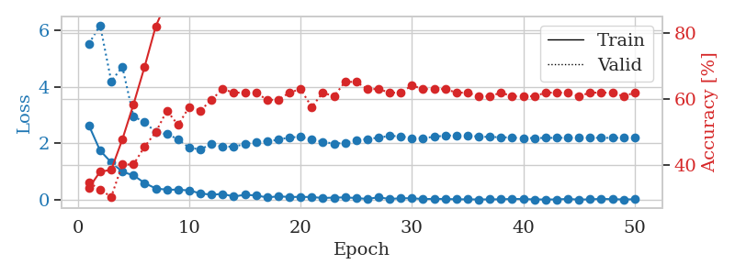
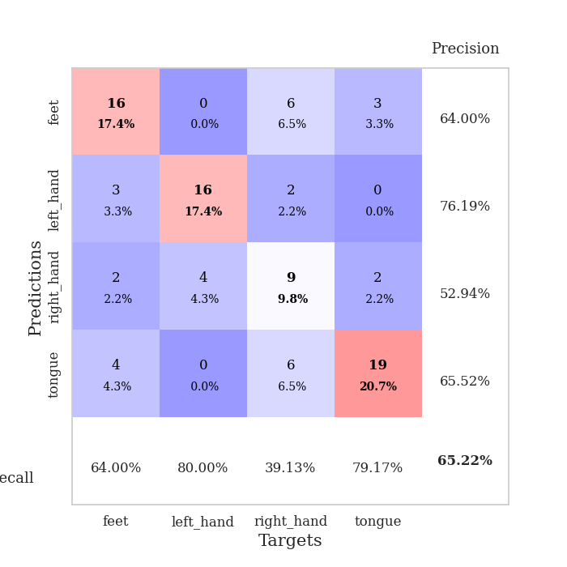
train_loss | valid_loss | train_accuracy | valid_accuracy | dur | train_misclass | valid_misclass
2.6278447151 | 5.5215944726 | 0.33152173913 | 0.34782608696 | 0.035069465637 | 33.152173913 | 34.782608696
1.7438807249 | 6.1746479117 | 0.38043478261 | 0.32608695652 | 0.034419536591 | 38.043478261 | 32.608695652
1.327664566 | 4.197075284 | 0.38586956522 | 0.30434782609 | 0.034460783005 | 38.586956522 | 30.434782609
0.99416736364 | 4.6994807098 | 0.47826086957 | 0.40217391304 | 0.034337043762 | 47.826086957 | 40.217391304
0.86951156855 | 2.9507883424 | 0.58423913043 | 0.40217391304 | 0.034519672394 | 58.423913043 | 40.217391304
0.59692130089 | 2.7457820125 | 0.69836956522 | 0.45652173913 | 0.034591913223 | 69.836956522 | 45.652173913
0.40434964895 | 2.395563193 | 0.82065217391 | 0.5 | 0.0346763134 | 82.065217391 | 50
0.36256558299 | 2.3221770266 | 0.89673913043 | 0.5652173913 | 0.034465074539 | 89.673913043 | 56.52173913
0.36240692437 | 2.1517296926 | 0.89673913043 | 0.52173913043 | 0.034592628479 | 89.673913043 | 52.173913043
0.33495967388 | 1.8387816367 | 0.97826086957 | 0.57608695652 | 0.034272670746 | 97.826086957 | 57.608695652
0.23176016808 | 1.7902232979 | 0.98913043478 | 0.5652173913 | 0.034625291824 | 98.913043478 | 56.52173913
0.1834512949 | 1.9705988169 | 0.98369565217 | 0.59782608696 | 0.034468412399 | 98.369565217 | 59.782608696
0.21297798753 | 1.8790596879 | 0.99456521739 | 0.63043478261 | 0.034479618073 | 99.456521739 | 63.043478261
0.11967929751 | 1.8845928959 | 0.99184782609 | 0.61956521739 | 0.034448862076 | 99.184782609 | 61.956521739
0.18173431605 | 1.9738063398 | 0.99456521739 | 0.61956521739 | 0.034344911575 | 99.456521739 | 61.956521739
0.15897061676 | 2.0587653077 | 0.9972826087 | 0.61956521739 | 0.034427642822 | 99.72826087 | 61.956521739
0.088218501955 | 2.0717299503 | 0.9972826087 | 0.59782608696 | 0.034359455109 | 99.72826087 | 59.782608696
0.12704352736 | 2.1253591102 | 0.9972826087 | 0.59782608696 | 0.034437417984 | 99.72826087 | 59.782608696
0.10432208702 | 2.2130346817 | 1 | 0.61956521739 | 0.034378290176 | 100 | 61.956521739
0.1070186045 | 2.22629572 | 0.9972826087 | 0.63043478261 | 0.034330129623 | 99.72826087 | 63.043478261
0.10319469944 | 2.1314228514 | 0.99456521739 | 0.57608695652 | 0.034544229507 | 99.456521739 | 57.608695652
0.066998567432 | 2.0576262163 | 0.99184782609 | 0.61956521739 | 0.03434753418 | 99.184782609 | 61.956521739
0.083770219982 | 1.9860591266 | 1 | 0.60869565217 | 0.034478187561 | 100 | 60.869565217
0.088380111009 | 2.0204226971 | 1 | 0.65217391304 | 0.034388065338 | 100 | 65.217391304
0.067809820175 | 2.0998358727 | 0.9972826087 | 0.65217391304 | 0.034643411636 | 99.72826087 | 65.217391304
0.034075964987 | 2.1498040013 | 0.9972826087 | 0.63043478261 | 0.034508466721 | 99.72826087 | 63.043478261
0.09269390516 | 2.2028854412 | 1 | 0.63043478261 | 0.034410953522 | 100 | 63.043478261
0.034452541545 | 2.2615448703 | 1 | 0.61956521739 | 0.034432649612 | 100 | 61.956521739
0.059298974648 | 2.2520627561 | 1 | 0.61956521739 | 0.03432226181 | 100 | 61.956521739
0.059705900401 | 2.1746929936 | 1 | 0.64130434783 | 0.034322500229 | 100 | 64.130434783
0.031154549494 | 2.1871138863 | 1 | 0.63043478261 | 0.034457206726 | 100 | 63.043478261
0.036696726456 | 2.2293311928 | 1 | 0.63043478261 | 0.034315347672 | 100 | 63.043478261
0.034008316603 | 2.277114184 | 1 | 0.63043478261 | 0.034281492233 | 100 | 63.043478261
0.022575347312 | 2.2754481461 | 1 | 0.61956521739 | 0.034353256226 | 100 | 61.956521739
0.020975838788 | 2.2685590931 | 1 | 0.61956521739 | 0.034286260605 | 100 | 61.956521739
0.017212077789 | 2.2406415628 | 1 | 0.60869565217 | 0.0343272686 | 100 | 60.869565217
0.020057464018 | 2.2234445137 | 1 | 0.60869565217 | 0.034317970276 | 100 | 60.869565217
0.022827142663 | 2.2175978578 | 1 | 0.61956521739 | 0.034351110458 | 100 | 61.956521739
0.035072670784 | 2.200160068 | 1 | 0.60869565217 | 0.03443646431 | 100 | 60.869565217
0.031301350705 | 2.1864785526 | 1 | 0.60869565217 | 0.034493684769 | 100 | 60.869565217
0.019131934084 | 2.1859981495 | 1 | 0.60869565217 | 0.034382581711 | 100 | 60.869565217
0.015100193676 | 2.1915596361 | 1 | 0.61956521739 | 0.03432559967 | 100 | 61.956521739
0.018334595114 | 2.1945258534 | 1 | 0.61956521739 | 0.034346818924 | 100 | 61.956521739
0.035805453267 | 2.1970959228 | 1 | 0.61956521739 | 0.034633636475 | 100 | 61.956521739
0.011413287977 | 2.1963841811 | 1 | 0.60869565217 | 0.034376859665 | 100 | 60.869565217
0.021733281389 | 2.1954779521 | 1 | 0.61956521739 | 0.034474611282 | 100 | 61.956521739
0.036936812475 | 2.1950380284 | 1 | 0.61956521739 | 0.034407138824 | 100 | 61.956521739
0.0271629503 | 2.1920979541 | 1 | 0.61956521739 | 0.034434556961 | 100 | 61.956521739
0.017483198456 | 2.1972853412 | 1 | 0.60869565217 | 0.034325838089 | 100 | 60.869565217
0.023363107163 | 2.1945208467 | 1 | 0.61956521739 | 0.034425735474 | 100 | 61.956521739

Best Val accuracy is 0.6521739130434783 and Best test accuracy is 0.49137931034482757

Sheet5
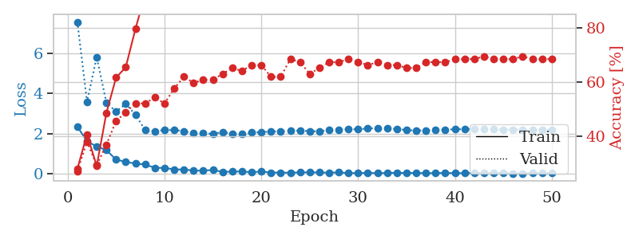
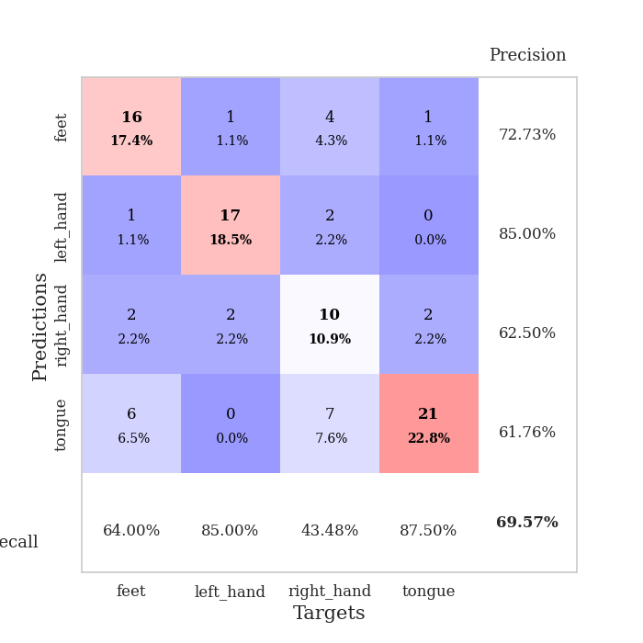
train_loss | valid_loss | train_accuracy | valid_accuracy | dur | train_misclass | valid_misclass
2.3567228794 | 7.5793757439 | 0.27989130435 | 0.27173913043 | 0.035072803497 | 27.989130435 | 27.173913043
1.6122347832 | 3.5866894411 | 0.40760869565 | 0.38043478261 | 0.036011457443 | 40.760869565 | 38.043478261
1.363497448 | 5.8239919621 | 0.29076086957 | 0.29347826087 | 0.037198543549 | 29.076086957 | 29.347826087
1.17702595 | 3.5470910798 | 0.48641304348 | 0.36956521739 | 0.034256219864 | 48.641304348 | 36.956521739
0.70374083519 | 3.1048184581 | 0.61684782609 | 0.45652173913 | 0.034287452698 | 61.684782609 | 45.652173913
0.58875530958 | 3.4834629867 | 0.65489130435 | 0.48913043478 | 0.034421205521 | 65.489130435 | 48.913043478
0.50519633889 | 2.9522076586 | 0.79619565217 | 0.52173913043 | 0.034340858459 | 79.619565217 | 52.173913043
0.45894168615 | 2.1752886772 | 0.92391304348 | 0.52173913043 | 0.034423589706 | 92.391304348 | 52.173913043
0.2940076679 | 2.1271446891 | 0.93206521739 | 0.54347826087 | 0.034329175949 | 93.206521739 | 54.347826087
0.29004136324 | 2.1742041111 | 0.97282608696 | 0.52173913043 | 0.034418106079 | 97.282608696 | 52.173913043
0.21282323897 | 2.1841282534 | 0.98097826087 | 0.57608695652 | 0.034282922745 | 98.097826087 | 57.608695652
0.20622602403 | 2.1197922126 | 0.99184782609 | 0.61956521739 | 0.034426450729 | 99.184782609 | 61.956521739
0.15952353776 | 2.0398716305 | 0.98913043478 | 0.59782608696 | 0.034382820129 | 98.913043478 | 59.782608696
0.14595967531 | 2.0226413789 | 0.99456521739 | 0.60869565217 | 0.034280061722 | 99.456521739 | 60.869565217
0.19109417126 | 1.9881259462 | 0.9972826087 | 0.60869565217 | 0.034295082092 | 99.72826087 | 60.869565217
0.0893306382 | 2.0750464253 | 0.98641304348 | 0.63043478261 | 0.03425860405 | 98.641304348 | 63.043478261
0.10356717259 | 1.9926111076 | 0.99184782609 | 0.65217391304 | 0.03454041481 | 99.184782609 | 65.217391304
0.11141578108 | 1.9728940777 | 0.99456521739 | 0.64130434783 | 0.034524440765 | 99.456521739 | 64.130434783
0.071089441329 | 2.0513693146 | 1 | 0.66304347826 | 0.034287214279 | 100 | 66.304347826
0.1095395837 | 2.0791616958 | 0.99456521739 | 0.66304347826 | 0.034543514252 | 99.456521739 | 66.304347826
0.057625835016 | 2.1050941426 | 1 | 0.61956521739 | 0.03452038765 | 100 | 61.956521739
0.056070329994 | 2.1126589568 | 1 | 0.61956521739 | 0.034637928009 | 100 | 61.956521739
0.047543407977 | 2.1400969961 | 1 | 0.6847826087 | 0.034538507462 | 100 | 68.47826087
0.066735096276 | 2.1494970218 | 1 | 0.67391304348 | 0.034678459167 | 100 | 67.391304348
0.067868590169 | 2.1259882243 | 1 | 0.63043478261 | 0.034452915192 | 100 | 63.043478261
0.060512761399 | 2.1085704824 | 1 | 0.65217391304 | 0.034490346909 | 100 | 65.217391304
0.050744772702 | 2.1691060481 | 1 | 0.67391304348 | 0.034648656845 | 100 | 67.391304348
0.063464313745 | 2.1903018226 | 1 | 0.67391304348 | 0.037813425064 | 100 | 67.391304348
0.033086661063 | 2.2178121028 | 1 | 0.6847826087 | 0.034486055374 | 100 | 68.47826087
0.026719510695 | 2.2191018125 | 1 | 0.67391304348 | 0.034480333328 | 100 | 67.391304348
0.041878543328 | 2.2565985348 | 1 | 0.66304347826 | 0.034509181976 | 100 | 66.304347826
0.024931333214 | 2.2801611216 | 1 | 0.67391304348 | 0.034469842911 | 100 | 67.391304348
0.034025931917 | 2.2685788818 | 1 | 0.66304347826 | 0.034510850906 | 100 | 66.304347826
0.05141687477 | 2.2323444512 | 1 | 0.66304347826 | 0.035679101944 | 100 | 66.304347826
0.030134662054 | 2.1777653901 | 1 | 0.65217391304 | 0.034549236298 | 100 | 65.217391304
0.037769412994 | 2.1546104887 | 1 | 0.65217391304 | 0.034626722336 | 100 | 65.217391304
0.02091043843 | 2.1635886794 | 1 | 0.67391304348 | 0.034603357315 | 100 | 67.391304348
0.029818259552 | 2.1912248549 | 1 | 0.67391304348 | 0.034519910812 | 100 | 67.391304348
0.034213728271 | 2.2046261145 | 1 | 0.67391304348 | 0.034546852112 | 100 | 67.391304348
0.028224997874 | 2.21658971 | 1 | 0.6847826087 | 0.034562110901 | 100 | 68.47826087
0.02285231594 | 2.2209282958 | 1 | 0.6847826087 | 0.034598827362 | 100 | 68.47826087
0.036907309666 | 2.2204408438 | 1 | 0.6847826087 | 0.034605741501 | 100 | 68.47826087
0.022258483153 | 2.2201396486 | 1 | 0.69565217391 | 0.034543991089 | 100 | 69.565217391
0.0212295759 | 2.2107286764 | 1 | 0.6847826087 | 0.034744739532 | 100 | 68.47826087
0.035452324571 | 2.2042835795 | 1 | 0.6847826087 | 0.034573554993 | 100 | 68.47826087
0.011013142671 | 2.2056980444 | 1 | 0.6847826087 | 0.034522771835 | 100 | 68.47826087
0.014431507839 | 2.2080755026 | 1 | 0.69565217391 | 0.03458237648 | 100 | 69.565217391
0.024570870213 | 2.2066077564 | 1 | 0.6847826087 | 0.034608840942 | 100 | 68.47826087
0.025602917653 | 2.2056158626 | 1 | 0.6847826087 | 0.034559488297 | 100 | 68.47826087
0.021757930703 | 2.2057777177 | 1 | 0.6847826087 | 0.034617185593 | 100 | 68.47826087

Best Val accuracy is 0.6956521739130435 and Best test accuracy is 0.5517241379310345

Sheet6
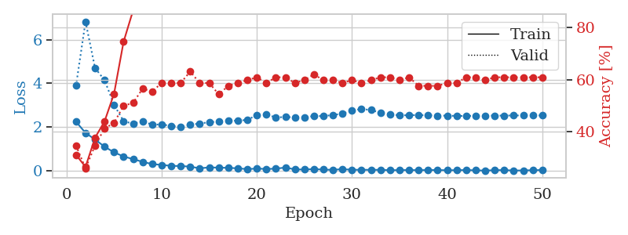
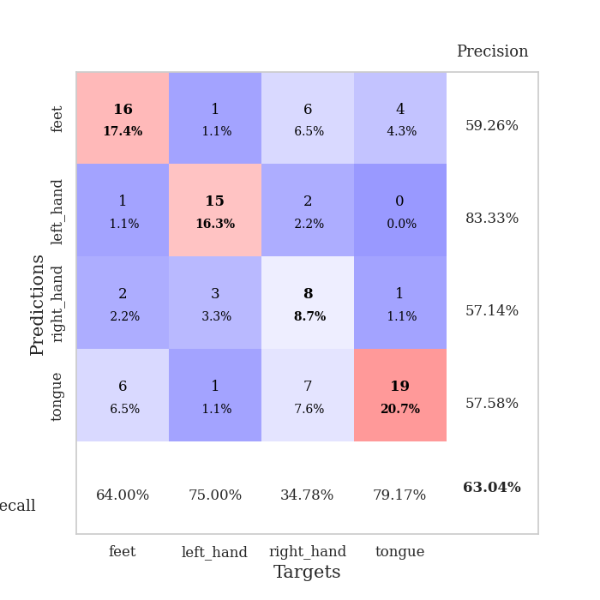
train_loss | valid_loss | train_accuracy | valid_accuracy | dur | train_misclass | valid_misclass
2.2446755648 | 3.8915725895 | 0.3125 | 0.34782608696 | 0.03494477272 | 31.25 | 34.782608696
1.7344637394 | 6.8333622269 | 0.26630434783 | 0.26086956522 | 0.03355550766 | 26.630434783 | 26.086956522
1.4306041479 | 4.7035665408 | 0.3777173913 | 0.34782608696 | 0.033500432968 | 37.77173913 | 34.782608696
1.1003000855 | 4.1516090683 | 0.4402173913 | 0.41304347826 | 0.033000707626 | 44.02173913 | 41.304347826
0.84269031286 | 3.0171229528 | 0.54619565217 | 0.4347826087 | 0.034009218216 | 54.619565217 | 43.47826087
0.65254595876 | 2.2724120099 | 0.74456521739 | 0.5 | 0.034190177917 | 74.456521739 | 50
0.53422064781 | 2.1484926213 | 0.86413043478 | 0.51086956522 | 0.033506393433 | 86.413043478 | 51.086956522
0.40607309341 | 2.2762395299 | 0.90489130435 | 0.5652173913 | 0.036387205124 | 90.489130435 | 56.52173913
0.30595339239 | 2.1044841227 | 0.9375 | 0.55434782609 | 0.034134626389 | 93.75 | 55.434782609
0.26642364264 | 2.1267458874 | 0.96739130435 | 0.58695652174 | 0.032946586609 | 96.739130435 | 58.695652174
0.22417604625 | 2.0462620155 | 0.97554347826 | 0.58695652174 | 0.034447193146 | 97.554347826 | 58.695652174
0.21486410201 | 2.0185722994 | 0.98097826087 | 0.58695652174 | 0.033200263977 | 98.097826087 | 58.695652174
0.18795484006 | 2.0972664253 | 0.99456521739 | 0.63043478261 | 0.032850265503 | 99.456521739 | 63.043478261
0.11050999388 | 2.1688231074 | 0.99184782609 | 0.58695652174 | 0.033955335617 | 99.184782609 | 58.695652174
0.15258888677 | 2.2162278735 | 0.99456521739 | 0.58695652174 | 0.033415794373 | 99.456521739 | 58.695652174
0.14108637199 | 2.2598721255 | 0.98913043478 | 0.54347826087 | 0.033313751221 | 98.913043478 | 54.347826087
0.13192114681 | 2.3045294285 | 0.99184782609 | 0.57608695652 | 0.032917737961 | 99.184782609 | 57.608695652
0.11046044081 | 2.2837206799 | 1 | 0.58695652174 | 0.032928228378 | 100 | 58.695652174
0.072423577309 | 2.3337637964 | 1 | 0.59782608696 | 0.032984256744 | 100 | 59.782608696
0.10006827265 | 2.5453986292 | 1 | 0.60869565217 | 0.03311085701 | 100 | 60.869565217
0.078292842209 | 2.5759025864 | 0.99456521739 | 0.58695652174 | 0.03308224678 | 99.456521739 | 58.695652174
0.094491835684 | 2.44146544 | 1 | 0.60869565217 | 0.03303194046 | 100 | 60.869565217
0.14638905227 | 2.4602631382 | 1 | 0.60869565217 | 0.034075737 | 100 | 60.869565217
0.061761061847 | 2.4463532593 | 0.9972826087 | 0.58695652174 | 0.033251523972 | 99.72826087 | 58.695652174
0.05458275415 | 2.4554599161 | 0.9972826087 | 0.59782608696 | 0.033196687698 | 99.72826087 | 59.782608696
0.076640538499 | 2.4982184742 | 0.99456521739 | 0.61956521739 | 0.033572912216 | 99.456521739 | 61.956521739
0.052182648703 | 2.5071516244 | 1 | 0.59782608696 | 0.033131361008 | 100 | 59.782608696
0.040830294229 | 2.5493938819 | 1 | 0.59782608696 | 0.033607006073 | 100 | 59.782608696
0.073481192067 | 2.6177054384 | 1 | 0.58695652174 | 0.033218383789 | 100 | 58.695652174
0.043637160957 | 2.7572162981 | 1 | 0.59782608696 | 0.03373336792 | 100 | 59.782608696
0.043604241684 | 2.8276224447 | 1 | 0.58695652174 | 0.033257484436 | 100 | 58.695652174
0.040636086464 | 2.7802555768 | 1 | 0.59782608696 | 0.033591032028 | 100 | 59.782608696
0.04116762206 | 2.6556668696 | 1 | 0.60869565217 | 0.033011198044 | 100 | 60.869565217
0.024011138454 | 2.5808952788 | 1 | 0.60869565217 | 0.03307056427 | 100 | 60.869565217
0.028648884036 | 2.5379757052 | 1 | 0.59782608696 | 0.032983541489 | 100 | 59.782608696
0.031584756915 | 2.5435036058 | 1 | 0.60869565217 | 0.033134698868 | 100 | 60.869565217
0.02607267499 | 2.5500988338 | 1 | 0.57608695652 | 0.033612966537 | 100 | 57.608695652
0.032475378178 | 2.5404733886 | 1 | 0.57608695652 | 0.033625841141 | 100 | 57.608695652
0.0314079009 | 2.5274856505 | 1 | 0.57608695652 | 0.03315281868 | 100 | 57.608695652
0.022302669659 | 2.5223730232 | 1 | 0.58695652174 | 0.033136129379 | 100 | 58.695652174
0.025626021065 | 2.5106474628 | 1 | 0.58695652174 | 0.033482074738 | 100 | 58.695652174
0.031427340582 | 2.5107344752 | 1 | 0.60869565217 | 0.035553216934 | 100 | 60.869565217
0.018756456114 | 2.5158394834 | 1 | 0.60869565217 | 0.033031702042 | 100 | 60.869565217
0.007207834674 | 2.5261325007 | 1 | 0.59782608696 | 0.033234357834 | 100 | 59.782608696
0.025945001468 | 2.5260278246 | 1 | 0.60869565217 | 0.033126354218 | 100 | 60.869565217
0.02980548339 | 2.525541233 | 1 | 0.60869565217 | 0.033438205719 | 100 | 60.869565217
0.0085275784135 | 2.5315741871 | 1 | 0.60869565217 | 0.033096313477 | 100 | 60.869565217
0.014522585459 | 2.530386251 | 1 | 0.60869565217 | 0.033009290695 | 100 | 60.869565217
0.023906873446 | 2.5330255135 | 1 | 0.60869565217 | 0.033671140671 | 100 | 60.869565217
0.03319800254 | 2.5320698282 | 1 | 0.60869565217 | 0.033133506775 | 100 | 60.869565217

Best Val accuracy is 0.6304347826086957 and Best test accuracy is 0.47413793103448276

Sheet7
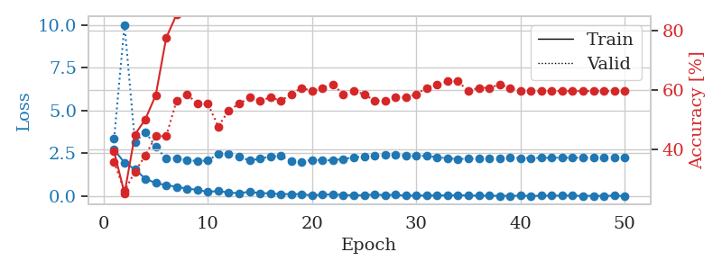

train_loss | valid_loss | train_accuracy | valid_accuracy | dur | train_misclass | valid_misclass
2.713098526 | 3.3383369549 | 0.39402173913 | 0.35869565217 | 0.034427404404 | 39.402173913 | 35.869565217
1.9576585054 | 10.015402421 | 0.2527173913 | 0.26086956522 | 0.033408403397 | 25.27173913 | 26.086956522
1.5685585499 | 3.1446781262 | 0.45108695652 | 0.32608695652 | 0.03254365921 | 45.108695652 | 32.608695652
1.0191821694 | 3.7514209851 | 0.5027173913 | 0.38043478261 | 0.032462358475 | 50.27173913 | 38.043478261
0.76356797218 | 2.8821601557 | 0.58423913043 | 0.44565217391 | 0.032824277878 | 58.423913043 | 44.565217391
0.64853535891 | 2.1900817985 | 0.77717391304 | 0.44565217391 | 0.032818555832 | 77.717391304 | 44.565217391
0.54715107083 | 2.2172202442 | 0.85597826087 | 0.5652173913 | 0.032482624054 | 85.597826087 | 56.52173913
0.43940473199 | 2.0854605799 | 0.88858695652 | 0.58695652174 | 0.03283905983 | 88.858695652 | 58.695652174
0.3697425127 | 2.0585085827 | 0.91304347826 | 0.55434782609 | 0.032746315002 | 91.304347826 | 55.434782609
0.24515013695 | 2.0854590872 | 0.95380434783 | 0.55434782609 | 0.032496213913 | 95.380434783 | 55.434782609
0.30663076788 | 2.4665028116 | 0.92119565217 | 0.47826086957 | 0.032638311386 | 92.119565217 | 47.826086957
0.20488358289 | 2.4523695448 | 0.97010869565 | 0.53260869565 | 0.032660484314 | 97.010869565 | 53.260869565
0.17477421463 | 2.3076131758 | 0.97282608696 | 0.55434782609 | 0.032720088959 | 97.282608696 | 55.434782609
0.25915061831 | 2.0868624812 | 0.97826086957 | 0.57608695652 | 0.032715797424 | 97.826086957 | 57.608695652
0.17977944016 | 2.184839995 | 0.98913043478 | 0.5652173913 | 0.032830476761 | 98.913043478 | 56.52173913
0.16030392647 | 2.3237267473 | 0.98369565217 | 0.57608695652 | 0.032754182816 | 98.369565217 | 57.608695652
0.1121200107 | 2.3444434767 | 0.99184782609 | 0.5652173913 | 0.032716035843 | 99.184782609 | 56.52173913
0.12805020213 | 2.0594822738 | 0.9972826087 | 0.58695652174 | 0.032716989517 | 99.72826087 | 58.695652174
0.1120358631 | 1.9991455285 | 1 | 0.60869565217 | 0.032840013504 | 100 | 60.869565217
0.044463741407 | 2.1200343422 | 1 | 0.59782608696 | 0.033739328384 | 100 | 59.782608696
0.090503254533 | 2.1051171966 | 1 | 0.60869565217 | 0.032724618912 | 100 | 60.869565217
0.10209606737 | 2.0898647205 | 1 | 0.61956521739 | 0.032862901688 | 100 | 61.956521739
0.069737325609 | 2.1768423474 | 1 | 0.58695652174 | 0.033748149872 | 100 | 58.695652174
0.042350891978 | 2.2651546105 | 1 | 0.59782608696 | 0.032752275467 | 100 | 59.782608696
0.061643188447 | 2.3153020092 | 1 | 0.58695652174 | 0.032742500305 | 100 | 58.695652174
0.090933294408 | 2.3516419245 | 1 | 0.5652173913 | 0.03266787529 | 100 | 56.52173913
0.063756653294 | 2.4238041898 | 1 | 0.5652173913 | 0.032727241516 | 100 | 56.52173913
0.081844085455 | 2.4209088346 | 1 | 0.57608695652 | 0.032701969147 | 100 | 57.608695652
0.023976556771 | 2.364776176 | 1 | 0.57608695652 | 0.032758951187 | 100 | 57.608695652
0.038984359428 | 2.3574706575 | 1 | 0.58695652174 | 0.03274679184 | 100 | 58.695652174
0.032584165595 | 2.3574397979 | 1 | 0.60869565217 | 0.032747745514 | 100 | 60.869565217
0.045336347818 | 2.2766149148 | 1 | 0.61956521739 | 0.032727718353 | 100 | 61.956521739
0.04274704624 | 2.2129799283 | 1 | 0.63043478261 | 0.032704591751 | 100 | 63.043478261
0.057374523208 | 2.1759686574 | 1 | 0.63043478261 | 0.033819913864 | 100 | 63.043478261
0.040715949982 | 2.1840222297 | 1 | 0.59782608696 | 0.032752275467 | 100 | 59.782608696
0.027189076319 | 2.2011820544 | 1 | 0.60869565217 | 0.032733917236 | 100 | 60.869565217
0.024529807176 | 2.2211219331 | 1 | 0.60869565217 | 0.032793045044 | 100 | 60.869565217
0.021876313025 | 2.2299462816 | 1 | 0.61956521739 | 0.032636165619 | 100 | 61.956521739
0.017529678158 | 2.2351451542 | 1 | 0.60869565217 | 0.032734870911 | 100 | 60.869565217
0.025438286737 | 2.2283647475 | 1 | 0.59782608696 | 0.032793283463 | 100 | 59.782608696
0.01367562525 | 2.2307158553 | 1 | 0.59782608696 | 0.032784700394 | 100 | 59.782608696
0.027213799953 | 2.2369633861 | 1 | 0.59782608696 | 0.032807350159 | 100 | 59.782608696
0.026500191353 | 2.243558044 | 1 | 0.59782608696 | 0.032770633698 | 100 | 59.782608696
0.035769171268 | 2.2487623795 | 1 | 0.59782608696 | 0.032749176025 | 100 | 59.782608696
0.027021301538 | 2.248257523 | 1 | 0.59782608696 | 0.03277182579 | 100 | 59.782608696
0.014524420537 | 2.2431335138 | 1 | 0.59782608696 | 0.032827138901 | 100 | 59.782608696
0.023208402377 | 2.2454262298 | 1 | 0.59782608696 | 0.032641887665 | 100 | 59.782608696
0.015917550027 | 2.24742623 | 1 | 0.59782608696 | 0.032704114914 | 100 | 59.782608696
0.027823401336 | 2.2454319311 | 1 | 0.59782608696 | 0.03284072876 | 100 | 59.782608696
0.011032389104 | 2.246692388 | 1 | 0.59782608696 | 0.032666921616 | 100 | 59.782608696

Best Val accuracy is 0.6304347826086957 and Best test accuracy is 0.5689655172413793

Sheet8
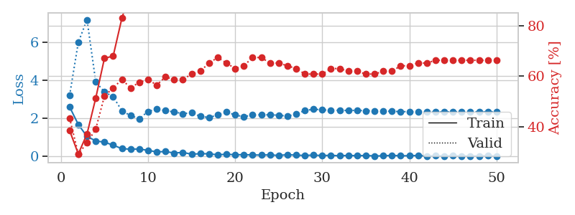
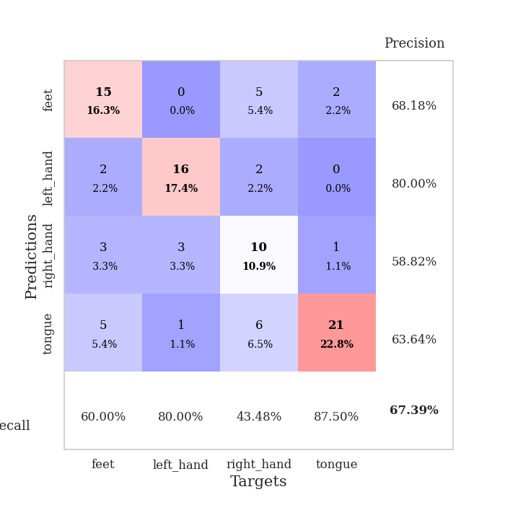
train_loss | valid_loss | train_accuracy | valid_accuracy | dur | train_misclass | valid_misclass
2.5907052994 | 3.1900377325 | 0.38586956522 | 0.4347826087 | 0.034810066223 | 38.586956522 | 43.47826087
1.66682055 | 5.9843255955 | 0.29347826087 | 0.29347826087 | 0.034319400787 | 29.347826087 | 29.347826087
1.0381552458 | 7.1704599339 | 0.3722826087 | 0.33695652174 | 0.033861875534 | 37.22826087 | 33.695652174
0.80676012039 | 3.9104495878 | 0.51358695652 | 0.39130434783 | 0.033918619156 | 51.358695652 | 39.130434783
0.73514236212 | 3.373568597 | 0.67119565217 | 0.52173913043 | 0.034154653549 | 67.119565217 | 52.173913043
0.58403094411 | 3.1275263351 | 0.67934782609 | 0.55434782609 | 0.034201860428 | 67.934782609 | 55.434782609
0.39567370117 | 2.3889823893 | 0.82880434783 | 0.58695652174 | 0.034219026566 | 82.880434783 | 58.695652174
0.36990231574 | 2.1301100254 | 0.9375 | 0.55434782609 | 0.03401350975 | 93.75 | 55.434782609
0.37793935537 | 1.9724598864 | 0.95108695652 | 0.57608695652 | 0.034143209457 | 95.108695652 | 57.608695652
0.30747702122 | 2.3517246143 | 0.96739130435 | 0.58695652174 | 0.033502340317 | 96.739130435 | 58.695652174
0.22582286894 | 2.4684752278 | 0.96195652174 | 0.5652173913 | 0.033786773682 | 96.195652174 | 56.52173913
0.24521279037 | 2.3960771664 | 0.97826086957 | 0.59782608696 | 0.033227920532 | 97.826086957 | 59.782608696
0.16751446128 | 2.3254450404 | 0.99456521739 | 0.58695652174 | 0.033891201019 | 99.456521739 | 58.695652174
0.20173611045 | 2.2352246098 | 0.99456521739 | 0.58695652174 | 0.034063816071 | 99.456521739 | 58.695652174
0.10525411367 | 2.2841893797 | 0.99456521739 | 0.60869565217 | 0.033165216446 | 99.456521739 | 60.869565217
0.13267478272 | 2.0928668458 | 0.9972826087 | 0.61956521739 | 0.034227609634 | 99.72826087 | 61.956521739
0.12777083069 | 2.0306873529 | 1 | 0.65217391304 | 0.033981323242 | 100 | 65.217391304
0.074615366757 | 2.172730705 | 1 | 0.67391304348 | 0.034027338028 | 100 | 67.391304348
0.10426429659 | 2.3326725441 | 0.9972826087 | 0.65217391304 | 0.03347992897 | 99.72826087 | 65.217391304
0.077907811105 | 2.163712771 | 1 | 0.63043478261 | 0.033280611038 | 100 | 63.043478261
0.08034620434 | 2.0773319265 | 1 | 0.64130434783 | 0.033437490463 | 100 | 64.130434783
0.067691436037 | 2.1668986445 | 0.9972826087 | 0.67391304348 | 0.033658027649 | 99.72826087 | 67.391304348
0.060987639427 | 2.177606282 | 0.9972826087 | 0.67391304348 | 0.033327579498 | 99.72826087 | 67.391304348
0.071824277379 | 2.1722881172 | 0.9972826087 | 0.65217391304 | 0.033227920532 | 99.72826087 | 65.217391304
0.038348409906 | 2.1568135179 | 1 | 0.65217391304 | 0.033203125 | 100 | 65.217391304
0.082986498252 | 2.1050366422 | 1 | 0.64130434783 | 0.033137559891 | 100 | 64.130434783
0.055291491002 | 2.2135111145 | 0.9972826087 | 0.63043478261 | 0.033375740051 | 99.72826087 | 63.043478261
0.040278237872 | 2.3993481553 | 0.9972826087 | 0.60869565217 | 0.033172130585 | 99.72826087 | 60.869565217
0.060032170266 | 2.4692556443 | 0.9972826087 | 0.60869565217 | 0.033162117004 | 99.72826087 | 60.869565217
0.033264211565 | 2.43817233 | 1 | 0.60869565217 | 0.033158063889 | 100 | 60.869565217
0.04891265966 | 2.4120434471 | 1 | 0.63043478261 | 0.033118247986 | 100 | 63.043478261
0.021343908831 | 2.4112970207 | 1 | 0.63043478261 | 0.033242940903 | 100 | 63.043478261
0.043803567439 | 2.4025873931 | 1 | 0.61956521739 | 0.033545255661 | 100 | 61.956521739
0.025191207789 | 2.4089192929 | 1 | 0.61956521739 | 0.033268451691 | 100 | 61.956521739
0.040882924572 | 2.3889668506 | 1 | 0.60869565217 | 0.033300638199 | 100 | 60.869565217
0.014960874524 | 2.3866145093 | 1 | 0.60869565217 | 0.03339099884 | 100 | 60.869565217
0.019841937721 | 2.376344629 | 1 | 0.61956521739 | 0.033286809921 | 100 | 61.956521739
0.046136396378 | 2.3565087215 | 1 | 0.61956521739 | 0.033199071884 | 100 | 61.956521739
0.020273729227 | 2.3455968421 | 1 | 0.64130434783 | 0.033293962479 | 100 | 64.130434783
0.028218812868 | 2.3361809772 | 1 | 0.64130434783 | 0.033518791199 | 100 | 64.130434783
0.036196859926 | 2.3216655358 | 1 | 0.65217391304 | 0.033293008804 | 100 | 65.217391304
0.013460755162 | 2.3148544042 | 1 | 0.65217391304 | 0.033153772354 | 100 | 65.217391304
0.024053819571 | 2.3181533192 | 1 | 0.66304347826 | 0.033258914948 | 100 | 66.304347826
0.016399432812 | 2.3250091076 | 1 | 0.66304347826 | 0.033652544022 | 100 | 66.304347826
0.023214561678 | 2.3265912222 | 1 | 0.66304347826 | 0.033174514771 | 100 | 66.304347826
0.012054737564 | 2.3298664611 | 1 | 0.66304347826 | 0.033204078674 | 100 | 66.304347826
0.01262389794 | 2.3307615674 | 1 | 0.66304347826 | 0.033450126648 | 100 | 66.304347826
0.01581001617 | 2.3335075897 | 1 | 0.66304347826 | 0.033375024796 | 100 | 66.304347826
0.024599352852 | 2.332701455 | 1 | 0.66304347826 | 0.03358745575 | 100 | 66.304347826
0.0086516889744 | 2.328873313 | 1 | 0.66304347826 | 0.033242702484 | 100 | 66.304347826

Best Val accuracy is 0.6739130434782609 and Best test accuracy is 0.5258620689655172

Sheet9
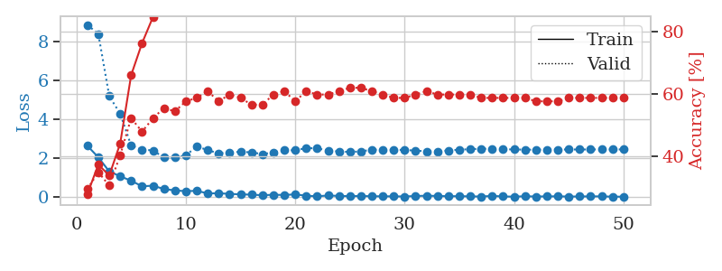
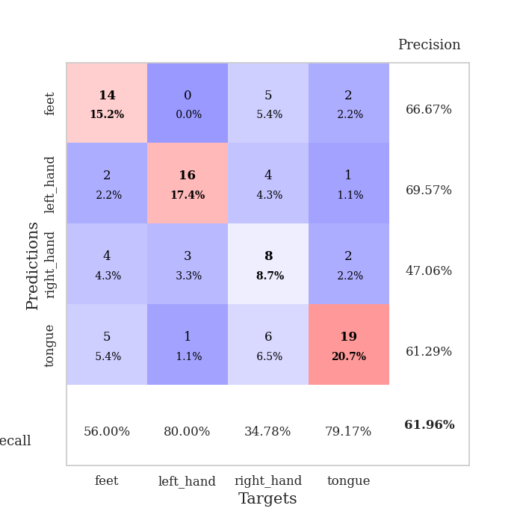
train_loss | valid_loss | train_accuracy | valid_accuracy | dur | train_misclass | valid_misclass
2.6354381561 | 8.8604593277 | 0.27717391304 | 0.29347826087 | 0.034911394119 | 27.717391304 | 29.347826087
2.0409612179 | 8.3929515714 | 0.3722826087 | 0.34782608696 | 0.034418582916 | 37.22826087 | 34.782608696
1.3146519661 | 5.1881488199 | 0.33695652174 | 0.30434782609 | 0.033528327942 | 33.695652174 | 30.434782609
1.0673457861 | 4.2883096156 | 0.4402173913 | 0.40217391304 | 0.033069372177 | 44.02173913 | 40.217391304
0.83439676762 | 2.6458562664 | 0.66032608696 | 0.52173913043 | 0.033689975739 | 66.032608696 | 52.173913043
0.55118427277 | 2.4436612026 | 0.76358695652 | 0.47826086957 | 0.033783912659 | 76.358695652 | 47.826086957
0.58197062016 | 2.3951465047 | 0.84782608696 | 0.52173913043 | 0.033050537109 | 84.782608696 | 52.173913043
0.41030111313 | 2.0282614438 | 0.92663043478 | 0.55434782609 | 0.033530235291 | 92.663043478 | 55.434782609
0.3381706506 | 2.0262250278 | 0.88315217391 | 0.54347826087 | 0.033408641815 | 88.315217391 | 54.347826087
0.30005750656 | 2.150046701 | 0.9375 | 0.57608695652 | 0.033265829086 | 93.75 | 57.608695652
0.31876313388 | 2.5914544852 | 0.91847826087 | 0.58695652174 | 0.034320831299 | 91.847826087 | 58.695652174
0.18251867741 | 2.4203976341 | 0.96739130435 | 0.60869565217 | 0.034266233444 | 96.739130435 | 60.869565217
0.19275158048 | 2.2362074023 | 0.97554347826 | 0.57608695652 | 0.033366680145 | 97.554347826 | 57.608695652
0.16000743657 | 2.3022507066 | 0.97826086957 | 0.59782608696 | 0.033335208893 | 97.826086957 | 59.782608696
0.13619467467 | 2.3238329369 | 0.99456521739 | 0.58695652174 | 0.03336763382 | 99.456521739 | 58.695652174
0.12004124522 | 2.2989476764 | 0.99456521739 | 0.5652173913 | 0.033622503281 | 99.456521739 | 56.52173913
0.090788683668 | 2.2075269637 | 1 | 0.5652173913 | 0.033552646637 | 100 | 56.52173913
0.11426903754 | 2.2929901558 | 1 | 0.59782608696 | 0.033307552338 | 100 | 59.782608696
0.10342269987 | 2.4012142886 | 0.9972826087 | 0.60869565217 | 0.03316450119 | 99.72826087 | 60.869565217
0.13475048095 | 2.4054027122 | 0.99456521739 | 0.57608695652 | 0.033217668533 | 99.456521739 | 57.608695652
0.064790611342 | 2.5135986598 | 0.9972826087 | 0.60869565217 | 0.03336596489 | 99.72826087 | 60.869565217
0.03833891172 | 2.5063461324 | 0.9972826087 | 0.59782608696 | 0.033118724823 | 99.72826087 | 59.782608696
0.074829718843 | 2.3914572363 | 1 | 0.59782608696 | 0.033634662628 | 100 | 59.782608696
0.056054467335 | 2.3399650532 | 1 | 0.60869565217 | 0.033189296722 | 100 | 60.869565217
0.044292466715 | 2.3207640959 | 1 | 0.61956521739 | 0.033134222031 | 100 | 61.956521739
0.052342538908 | 2.3445686361 | 1 | 0.61956521739 | 0.03449845314 | 100 | 61.956521739
0.038727619126 | 2.438331179 | 1 | 0.60869565217 | 0.033150911331 | 100 | 60.869565217
0.035144898668 | 2.422923285 | 1 | 0.59782608696 | 0.033197641373 | 100 | 59.782608696
0.03333695475 | 2.4304409027 | 1 | 0.58695652174 | 0.033261537552 | 100 | 58.695652174
0.02633412797 | 2.4224996256 | 1 | 0.58695652174 | 0.033359766006 | 100 | 58.695652174
0.051398591883 | 2.3855134923 | 1 | 0.59782608696 | 0.033231496811 | 100 | 59.782608696
0.064735837281 | 2.3498962547 | 1 | 0.60869565217 | 0.033756017685 | 100 | 60.869565217
0.053658181056 | 2.3512111539 | 1 | 0.59782608696 | 0.033232688904 | 100 | 59.782608696
0.039597120509 | 2.394729438 | 1 | 0.59782608696 | 0.034202575684 | 100 | 59.782608696
0.042531723157 | 2.4331758748 | 1 | 0.59782608696 | 0.033603429794 | 100 | 59.782608696
0.032957432419 | 2.4633904436 | 1 | 0.59782608696 | 0.03310251236 | 100 | 59.782608696
0.023693071026 | 2.4823093103 | 1 | 0.58695652174 | 0.033178329468 | 100 | 58.695652174
0.056904717721 | 2.4805750121 | 1 | 0.58695652174 | 0.033578395844 | 100 | 58.695652174
0.028734637517 | 2.4589595691 | 1 | 0.58695652174 | 0.033272266388 | 100 | 58.695652174
0.016254677996 | 2.4452086221 | 1 | 0.58695652174 | 0.033122301102 | 100 | 58.695652174
0.038566865027 | 2.4376139641 | 1 | 0.58695652174 | 0.033395051956 | 100 | 58.695652174
0.024987242557 | 2.4344400841 | 1 | 0.57608695652 | 0.033249378204 | 100 | 57.608695652
0.030851316266 | 2.4410030842 | 1 | 0.57608695652 | 0.033185720444 | 100 | 57.608695652
0.034594647214 | 2.4431800013 | 1 | 0.57608695652 | 0.033113479614 | 100 | 57.608695652
0.022695695795 | 2.4444966835 | 1 | 0.58695652174 | 0.033185720444 | 100 | 58.695652174
0.026668729633 | 2.4447913585 | 1 | 0.58695652174 | 0.033148765564 | 100 | 58.695652174
0.033210424334 | 2.4456240302 | 1 | 0.58695652174 | 0.033272981644 | 100 | 58.695652174
0.031207599305 | 2.4466989559 | 1 | 0.58695652174 | 0.033178806305 | 100 | 58.695652174
0.01846699845 | 2.4460414182 | 1 | 0.58695652174 | 0.033142805099 | 100 | 58.695652174
0.015355632454 | 2.4487298053 | 1 | 0.58695652174 | 0.034785032272 | 100 | 58.695652174

Best Val accuracy is 0.6195652173913043 and Best test accuracy is 0.5517241379310345

Sheet10
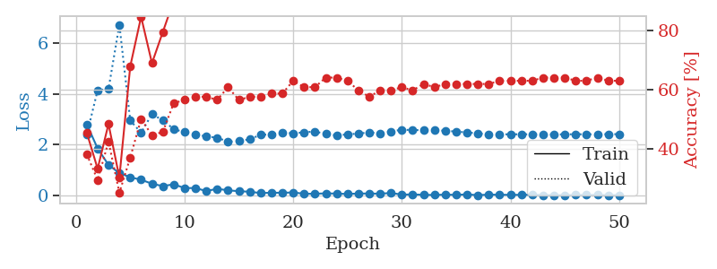
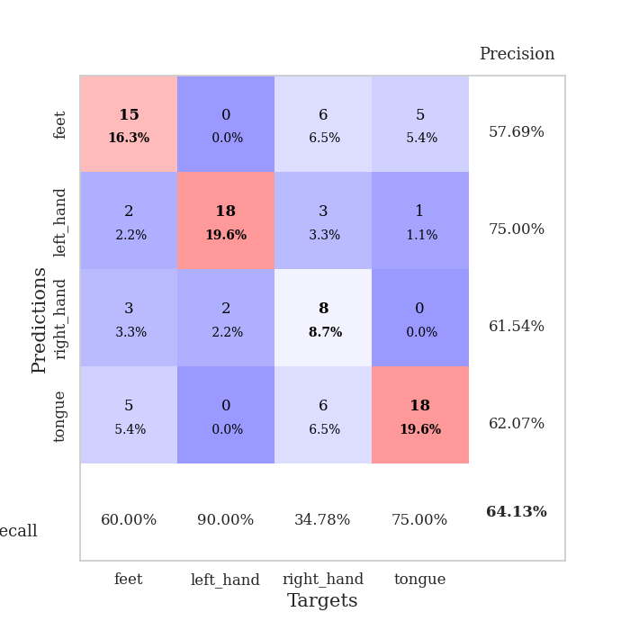
train_loss | valid_loss | train_accuracy | valid_accuracy | dur | train_misclass | valid_misclass
2.807537055 | 2.3960913109 | 0.45380434783 | 0.38043478261 | 0.035023450851 | 45.380434783 | 38.043478261
1.8516606808 | 4.1450611819 | 0.33152173913 | 0.29347826087 | 0.034306287766 | 33.152173913 | 29.347826087
1.2075607657 | 4.1867402429 | 0.48369565217 | 0.42391304348 | 0.0367166996 | 48.369565217 | 42.391304348
0.88465908766 | 6.7201799102 | 0.30163043478 | 0.25 | 0.034219503403 | 30.163043478 | 25
0.72144335508 | 2.9533395975 | 0.67934782609 | 0.36956521739 | 0.034062623978 | 67.934782609 | 36.956521739
0.62472884655 | 2.4727567486 | 0.84782608696 | 0.5 | 0.034095525742 | 84.782608696 | 50
0.4669026494 | 3.2043915728 | 0.6902173913 | 0.44565217391 | 0.034378051758 | 69.02173913 | 44.565217391
0.37394598722 | 2.9608504254 | 0.79619565217 | 0.45652173913 | 0.035894870758 | 79.619565217 | 45.652173913
0.44498357177 | 2.6135972375 | 0.90217391304 | 0.55434782609 | 0.033978700638 | 90.217391304 | 55.434782609
0.2972712934 | 2.4928269905 | 0.95380434783 | 0.5652173913 | 0.034096956253 | 95.380434783 | 56.52173913
0.29756570458 | 2.400587227 | 0.95652173913 | 0.57608695652 | 0.034080266953 | 95.652173913 | 57.608695652
0.17979529053 | 2.328570594 | 0.97282608696 | 0.57608695652 | 0.034022331238 | 97.282608696 | 57.608695652
0.26794956625 | 2.2777613557 | 0.97554347826 | 0.5652173913 | 0.034169435501 | 97.554347826 | 56.52173913
0.20770179629 | 2.1195844567 | 0.99456521739 | 0.60869565217 | 0.034223079681 | 99.456521739 | 60.869565217
0.17358361632 | 2.1431401813 | 0.98913043478 | 0.5652173913 | 0.034535646439 | 98.913043478 | 56.52173913
0.1524359718 | 2.2166588721 | 1 | 0.57608695652 | 0.034042596817 | 100 | 57.608695652
0.1003206566 | 2.3882232334 | 0.98369565217 | 0.57608695652 | 0.033938169479 | 98.369565217 | 57.608695652
0.11385431439 | 2.4096527618 | 0.99456521739 | 0.58695652174 | 0.034109830856 | 99.456521739 | 58.695652174
0.11167981699 | 2.4750090993 | 1 | 0.58695652174 | 0.03405547142 | 100 | 58.695652174
0.12433876842 | 2.4495876768 | 1 | 0.63043478261 | 0.034126281738 | 100 | 63.043478261
0.074401017278 | 2.4895625944 | 1 | 0.60869565217 | 0.034315109253 | 100 | 60.869565217
0.07195350416 | 2.5208839645 | 0.9972826087 | 0.60869565217 | 0.03417801857 | 99.72826087 | 60.869565217
0.089774068445 | 2.4228246419 | 1 | 0.64130434783 | 0.034100055695 | 100 | 64.130434783
0.079701155424 | 2.365359835 | 1 | 0.64130434783 | 0.03431224823 | 100 | 64.130434783
0.064914606512 | 2.4093734181 | 1 | 0.63043478261 | 0.034157276154 | 100 | 63.043478261
0.081590532511 | 2.4368525484 | 1 | 0.59782608696 | 0.034056186676 | 100 | 59.782608696
0.082199627534 | 2.4880727892 | 1 | 0.57608695652 | 0.034201622009 | 100 | 57.608695652
0.075576682389 | 2.4480404543 | 1 | 0.59782608696 | 0.034128427505 | 100 | 59.782608696
0.1032326512 | 2.5216567931 | 1 | 0.59782608696 | 0.034152507782 | 100 | 59.782608696
0.04047928229 | 2.5922908057 | 0.9972826087 | 0.60869565217 | 0.034175634384 | 99.72826087 | 60.869565217
0.046566541493 | 2.5753569707 | 1 | 0.59782608696 | 0.034094572067 | 100 | 59.782608696
0.032250185311 | 2.5747773336 | 1 | 0.61956521739 | 0.034069538116 | 100 | 61.956521739
0.024115937948 | 2.5699504562 | 1 | 0.60869565217 | 0.034198045731 | 100 | 60.869565217
0.040954687633 | 2.5510917436 | 1 | 0.61956521739 | 0.034110307693 | 100 | 61.956521739
0.029124332592 | 2.5163738417 | 1 | 0.61956521739 | 0.034030437469 | 100 | 61.956521739
0.049055887759 | 2.485898474 | 1 | 0.61956521739 | 0.034030914307 | 100 | 61.956521739
0.01777400896 | 2.4436152085 | 1 | 0.61956521739 | 0.03403878212 | 100 | 61.956521739
0.040661263838 | 2.4171139365 | 1 | 0.61956521739 | 0.034334182739 | 100 | 61.956521739
0.032702824567 | 2.4064813697 | 1 | 0.63043478261 | 0.034102916718 | 100 | 63.043478261
0.031540314108 | 2.412590597 | 1 | 0.63043478261 | 0.034214258194 | 100 | 63.043478261
0.030225961097 | 2.4102555876 | 1 | 0.63043478261 | 0.034097671509 | 100 | 63.043478261
0.038322264422 | 2.414752898 | 1 | 0.63043478261 | 0.03410577774 | 100 | 63.043478261
0.022636373341 | 2.4078791763 | 1 | 0.64130434783 | 0.034192085266 | 100 | 64.130434783
0.018649693113 | 2.4072778432 | 1 | 0.64130434783 | 0.03406047821 | 100 | 64.130434783
0.021044746414 | 2.4083214117 | 1 | 0.64130434783 | 0.034215688705 | 100 | 64.130434783
0.027028800175 | 2.4134625145 | 1 | 0.63043478261 | 0.034035921097 | 100 | 63.043478261
0.024570840411 | 2.4117987052 | 1 | 0.63043478261 | 0.034167051315 | 100 | 63.043478261
0.028276674077 | 2.4117057116 | 1 | 0.64130434783 | 0.034538984299 | 100 | 64.130434783
0.014525190555 | 2.415701918 | 1 | 0.63043478261 | 0.034187555313 | 100 | 63.043478261
0.022696208023 | 2.4160041291 | 1 | 0.63043478261 | 0.034151554108 | 100 | 63.043478261

Best Val accuracy is 0.6413043478260869 and Best test accuracy is 0.5431034482758621

