Sheet1
Key Word | Japanese Text to be translated | Japanese | Comment | Images
Task |  |  |  | 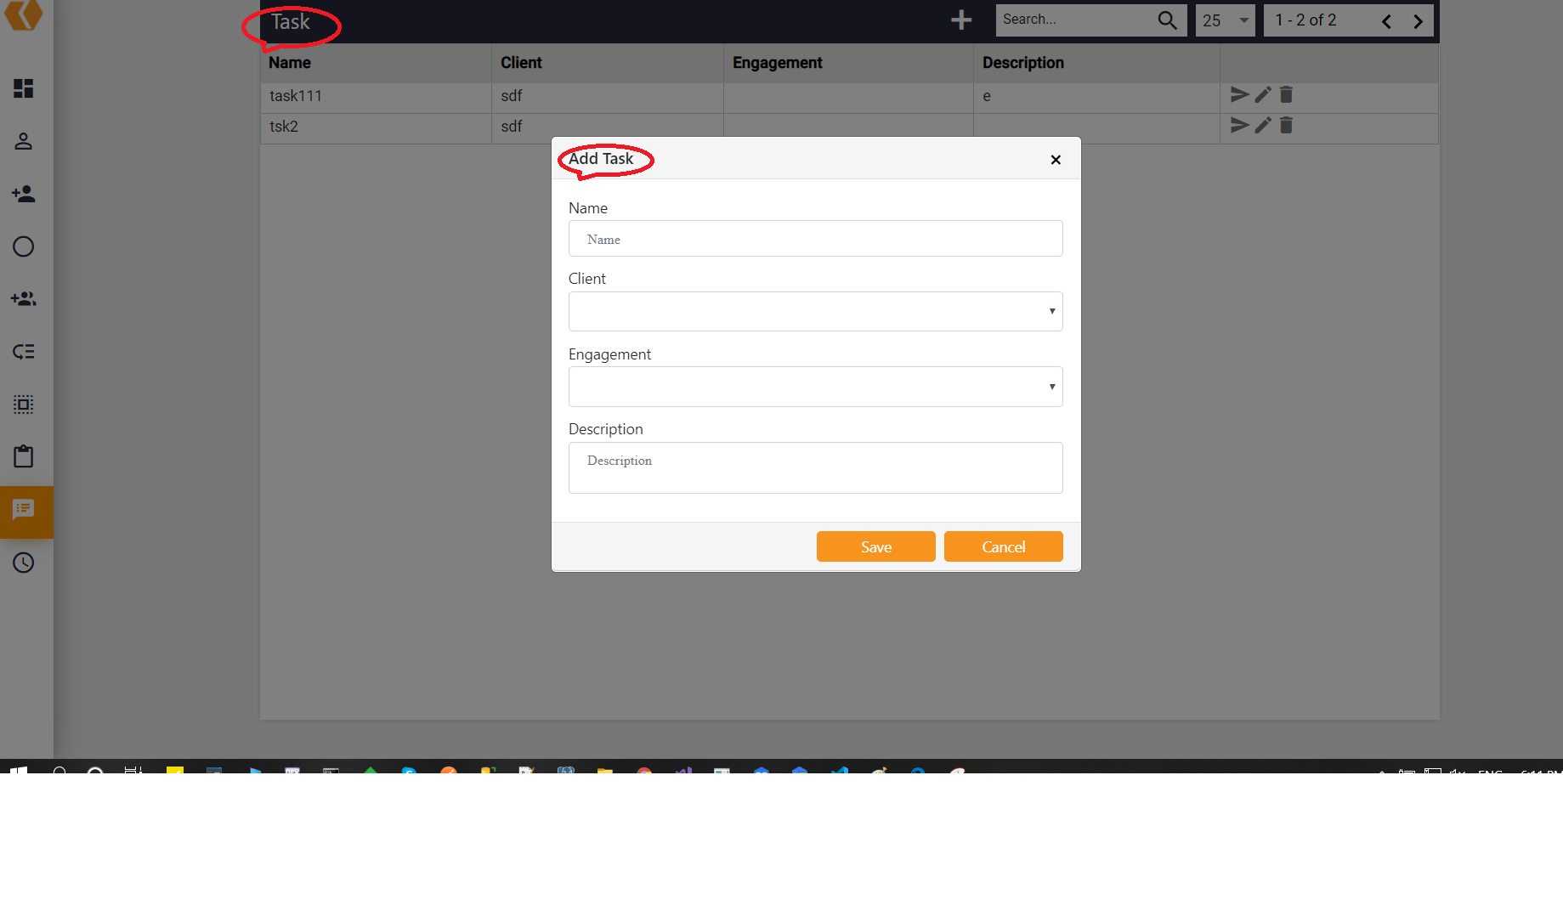
AddTask | Add Task |  |  | see 2
UpdateTask | Update Task |  |  | 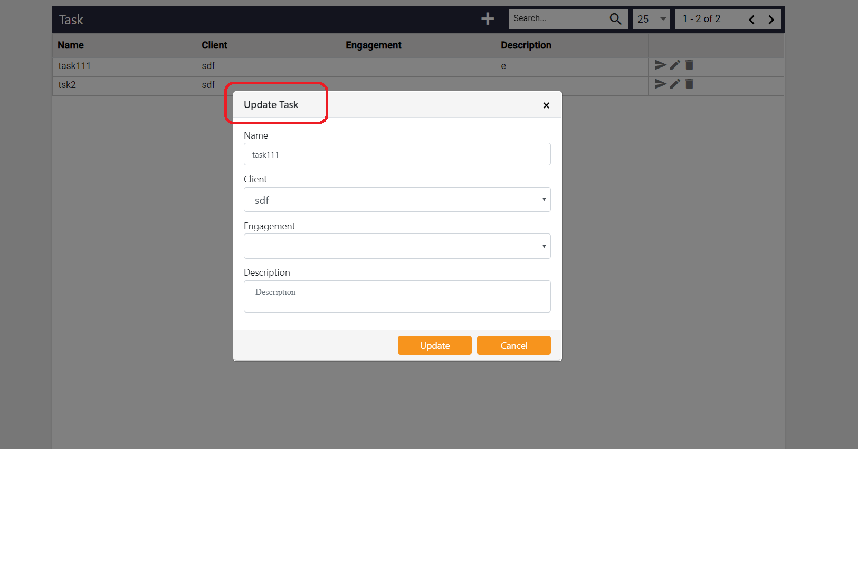
DeleteTask | Delete Task
Tasks | Tasks
ProjectName | Project Name
Reset | Reset
GroupsAvailableForInclusion | Groups Available for Inclusion |  |  | 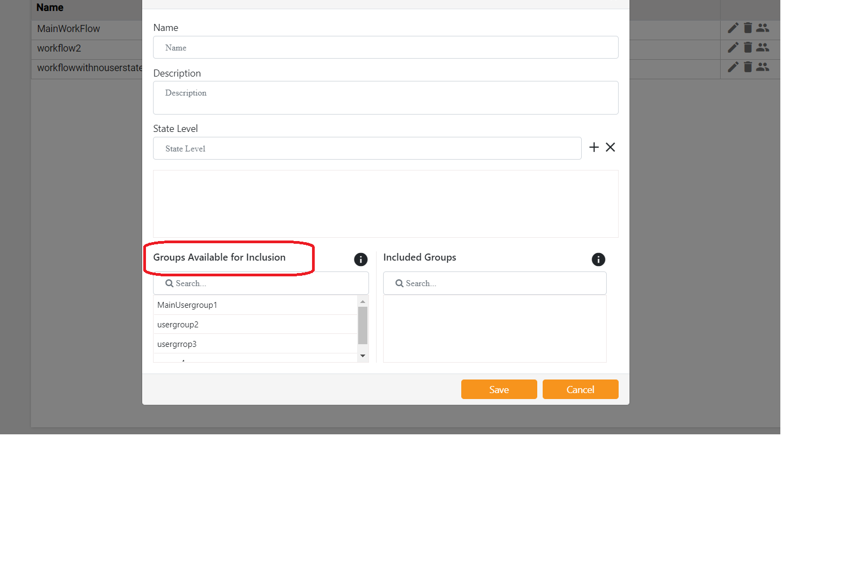
AtleastOneUserInEachState | Atleast one user in each state |  |  | 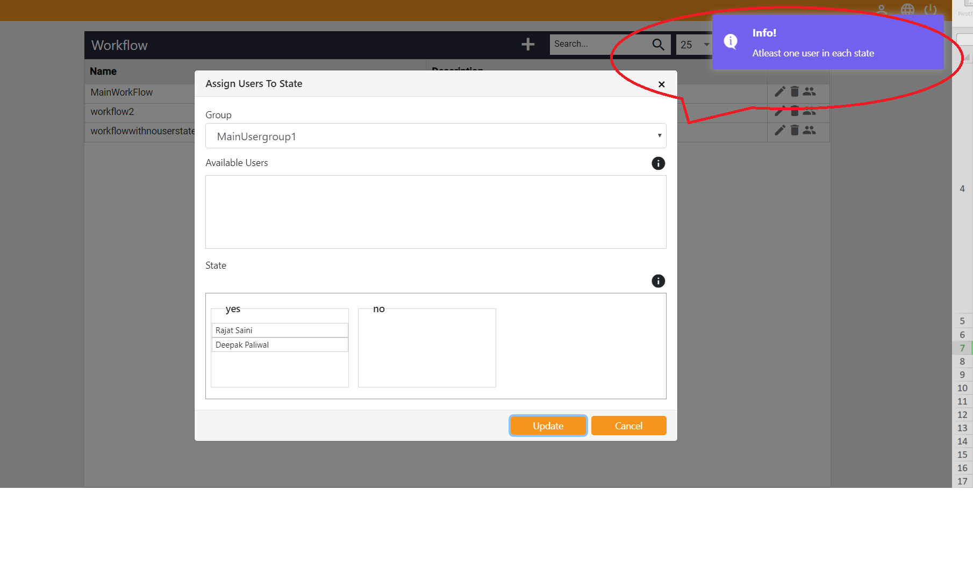
UsersAvailableForInclusion | Users Available for Inclusion |  | 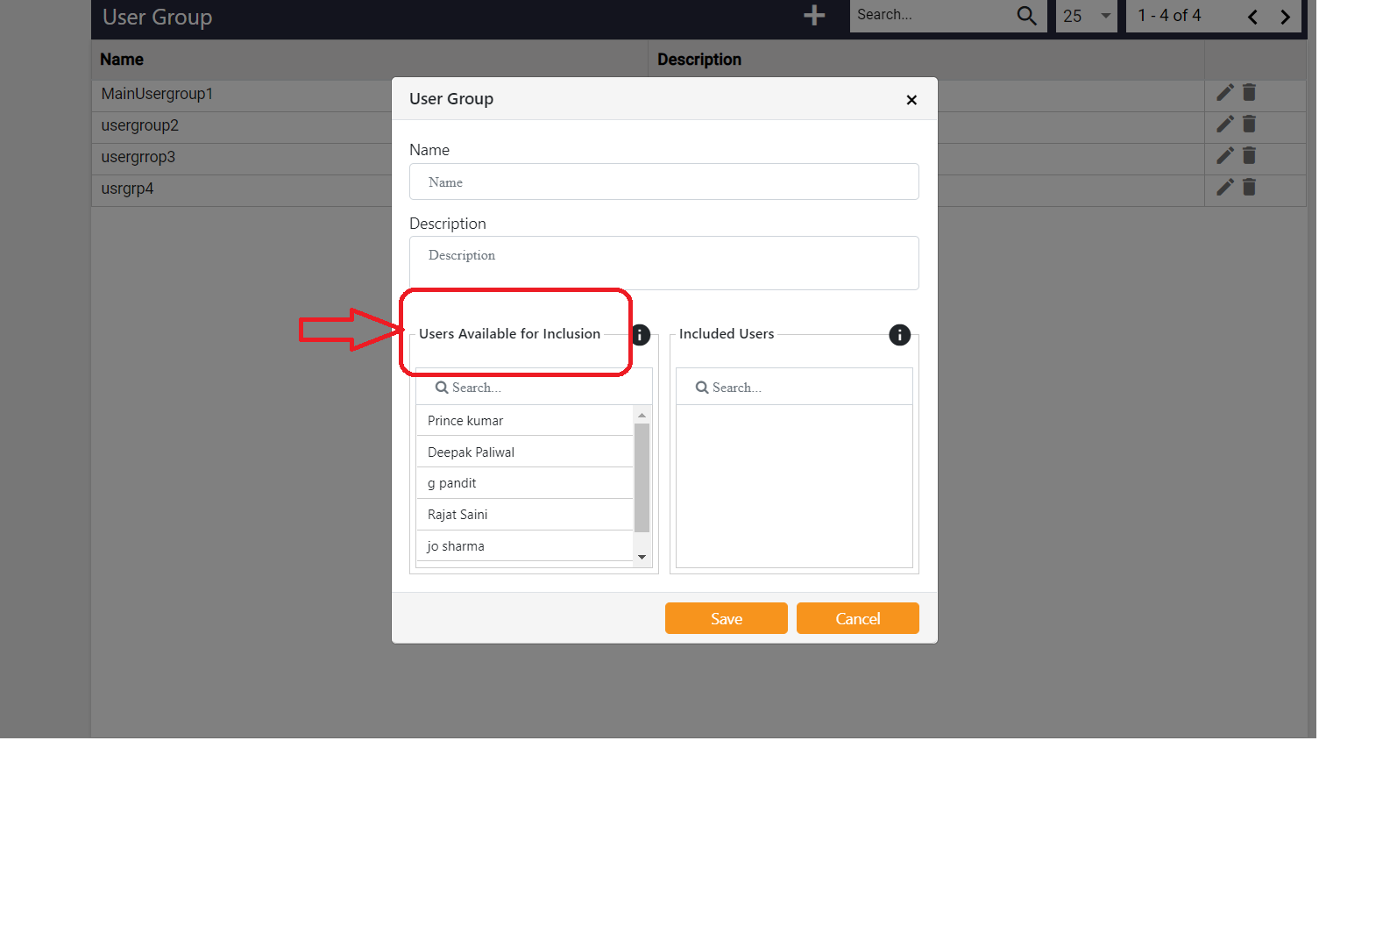
SubmittedEdits | Submitted Edits |  |  | 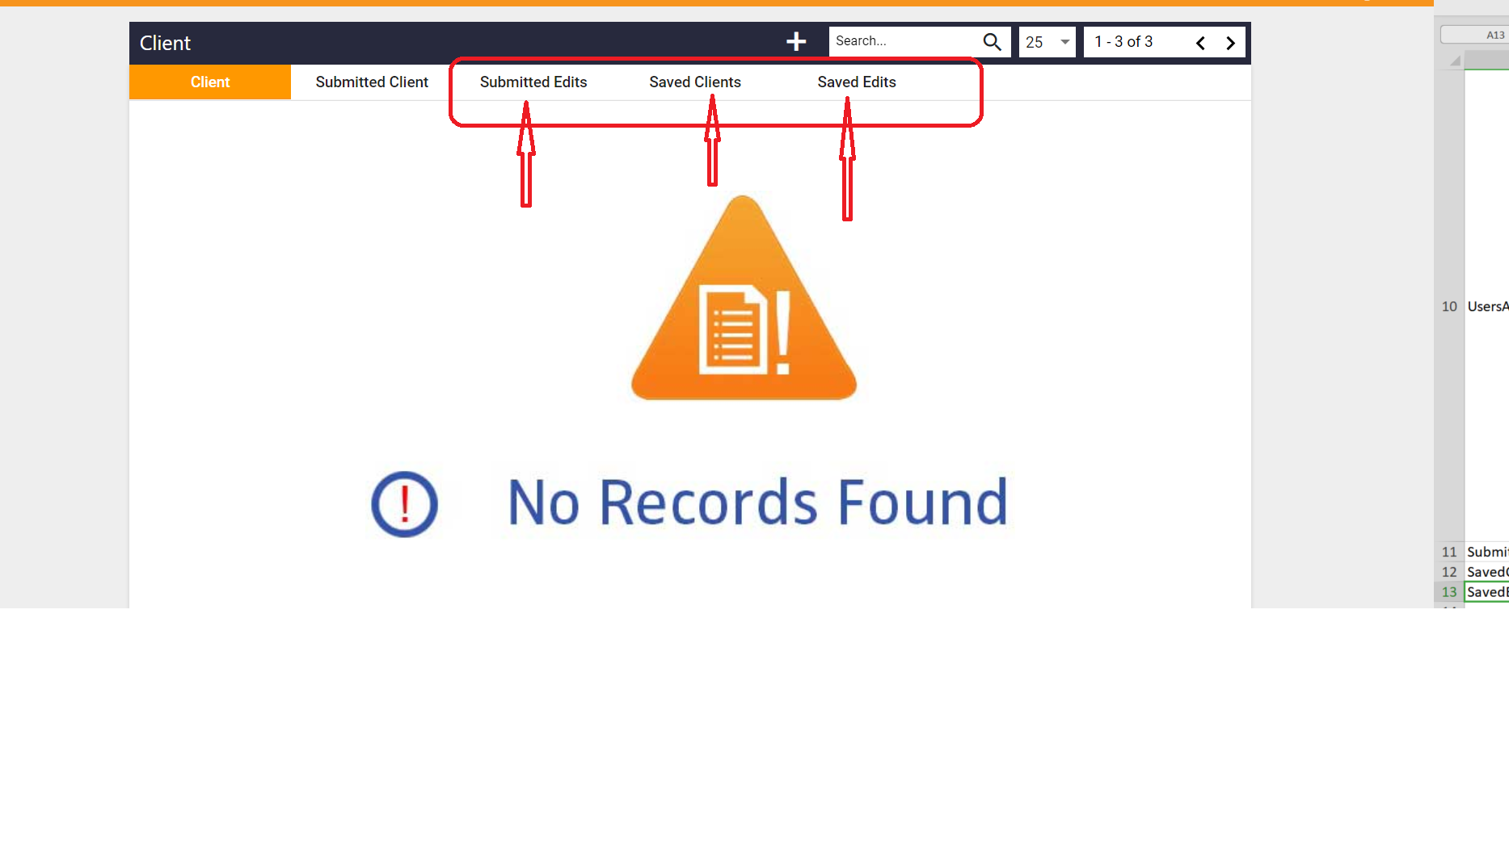
SavedClients | Saved Clients |  |  | see 11
SavedEdits | SavedEdits |  |  | see 11
RoleNameAlreadyExist | Role name is already exist |  |  | 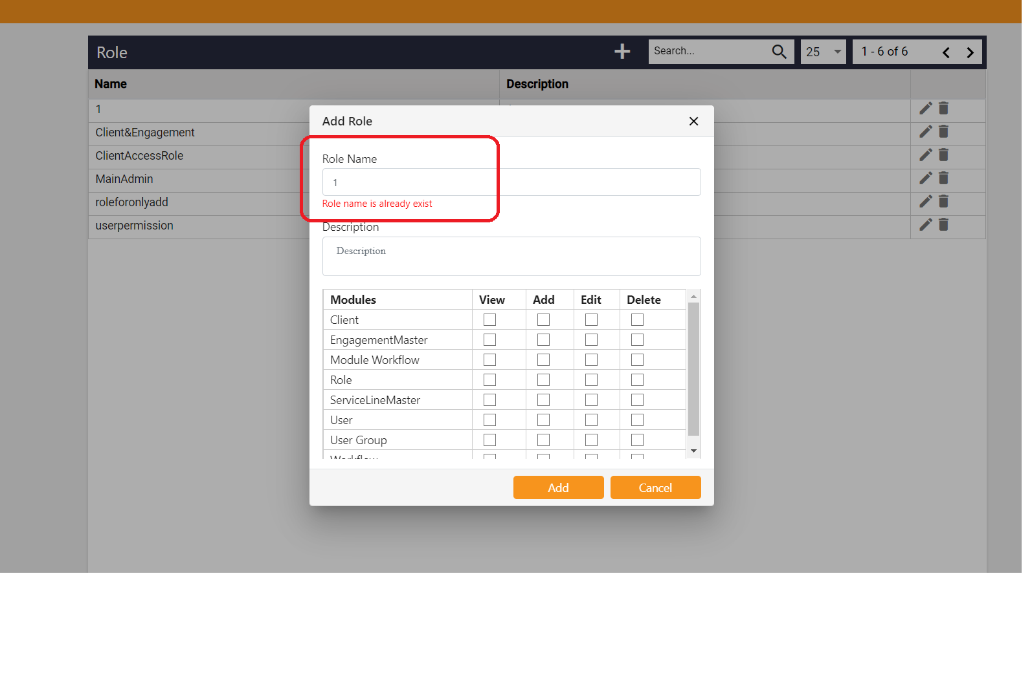
UserGroupNameAlreadyExist | User Group name is already exist |  |  | 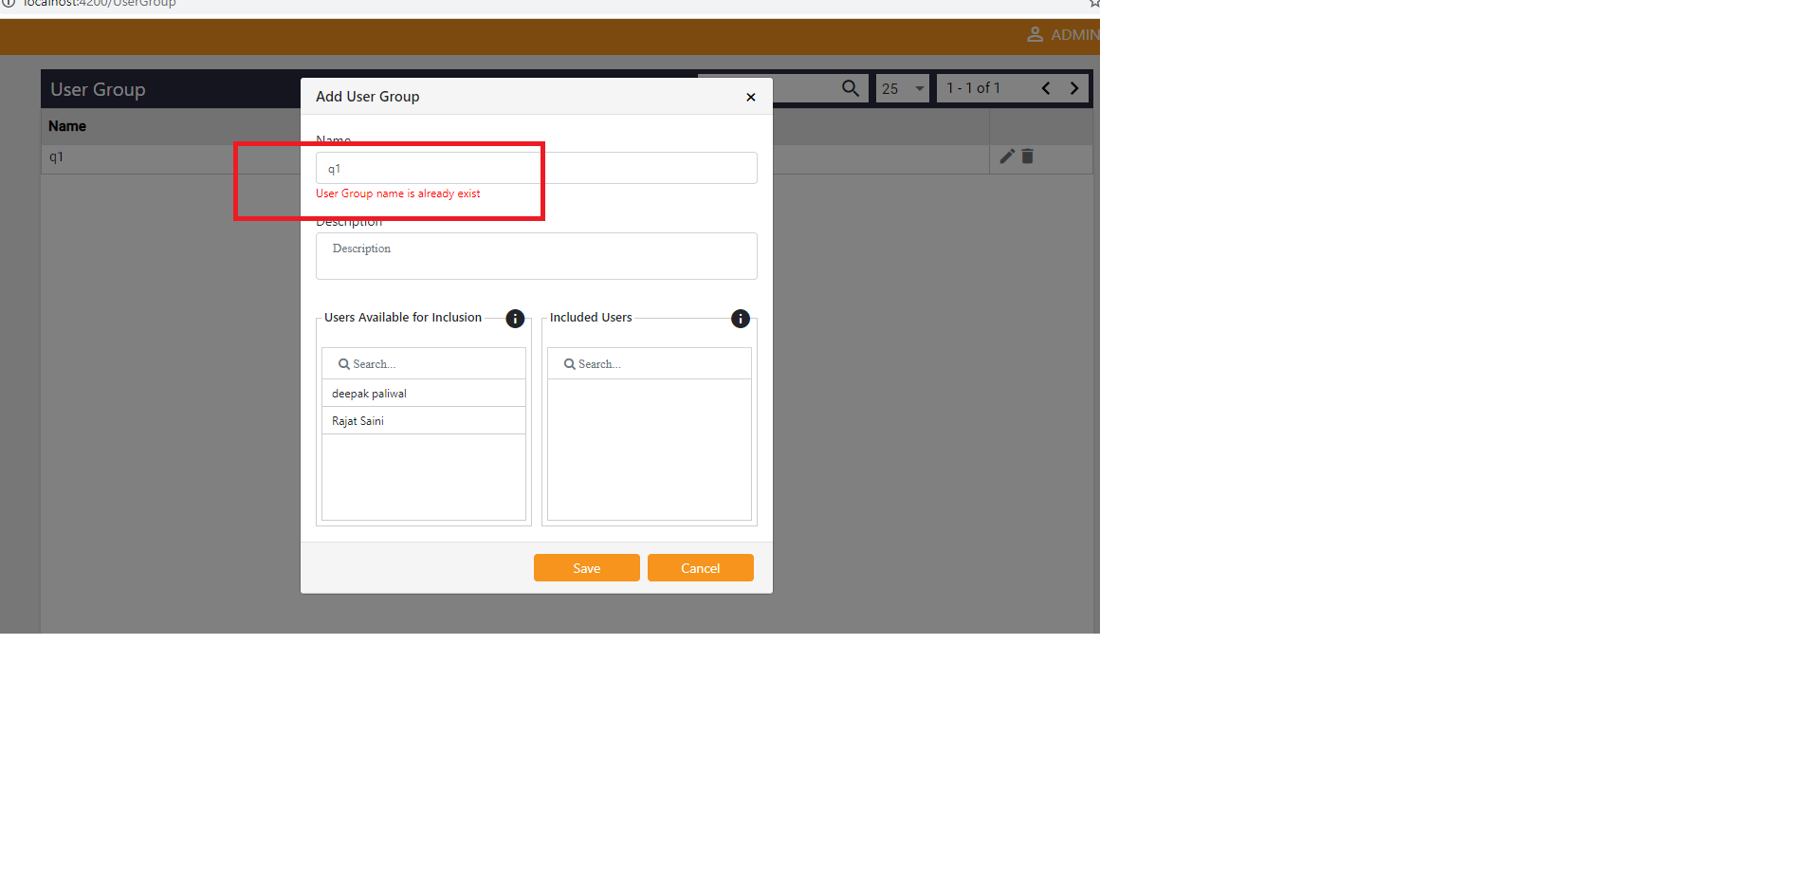
WorkflowNameAlreadyExist | Workflow name is already exist
ApprovalRequests | Approval Requests |  |  | 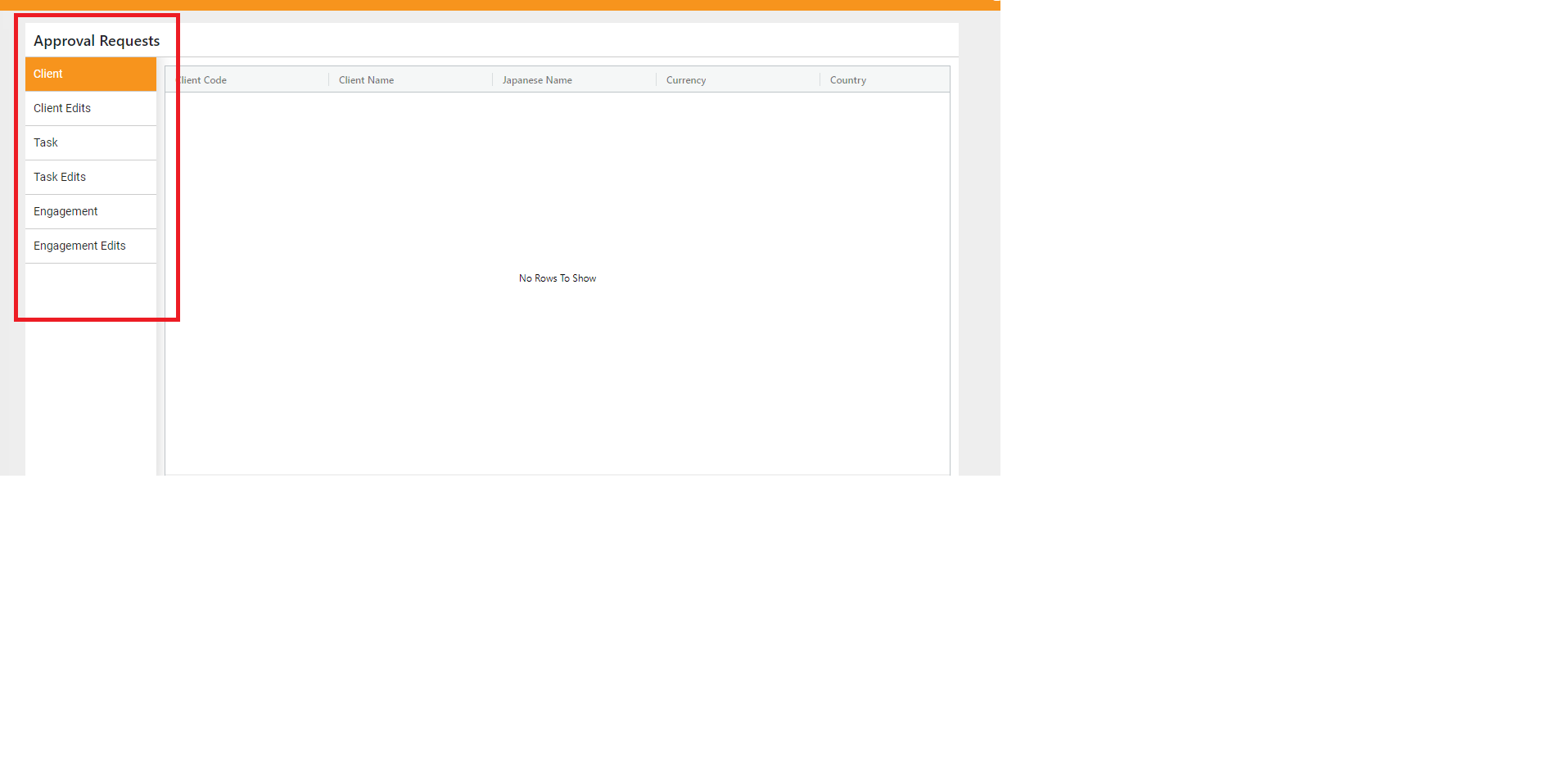
ClientEdits | Client Edits |  |  | see 18
TaskEdits | Task Edits |  |  | see 18
EngagementEdits | Engagement Edits |  |  | see 18
ContactNo | Contact No
Discard | Discard
EmployeeType | Employee Type |  |  | 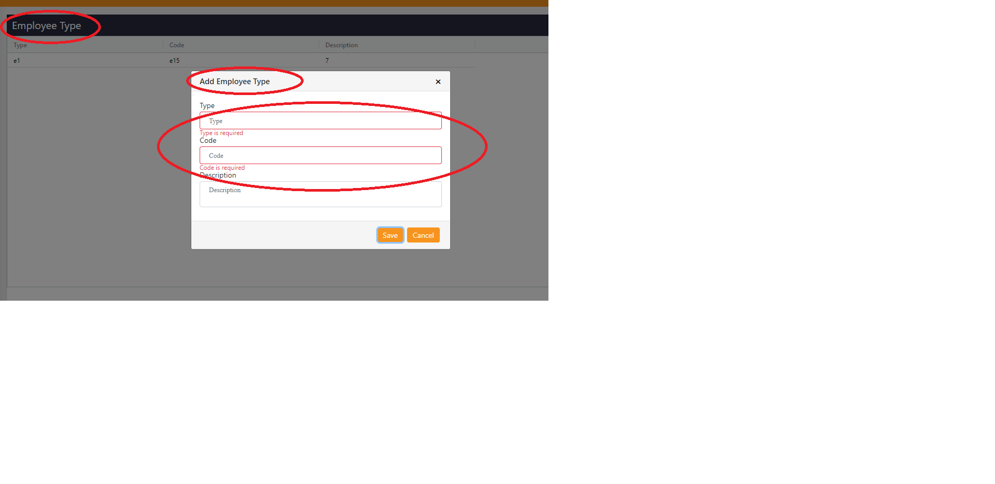
AddEmployeeType | Add Employee Type |  |  | see 24
Type | Type |  |  | see 24
Type_req | Type is required |  |  | see 24
Code | Code |  |  | see 24
Code_req | Code is required |  |  | see 24
EmployeeSchedule | Employee Schedule |  | 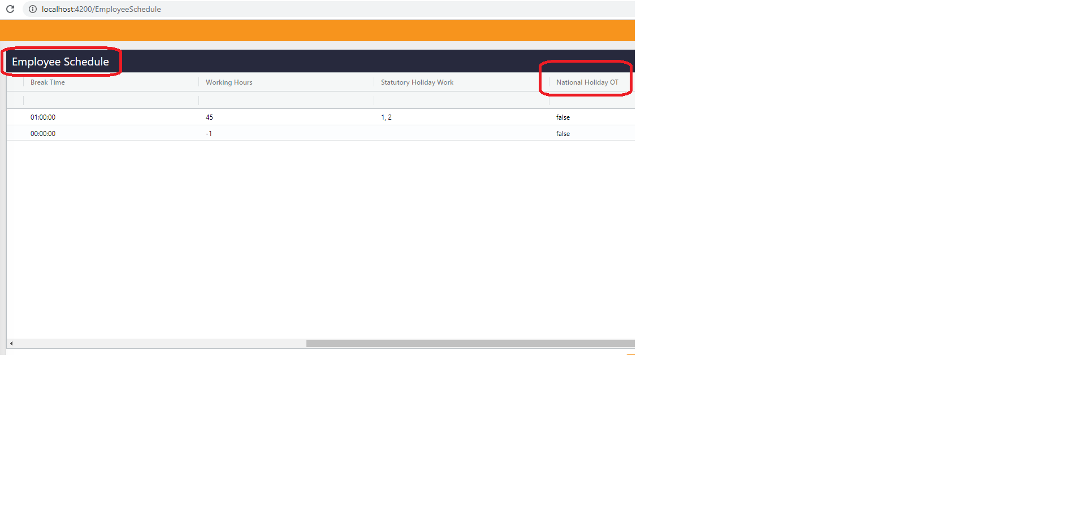
NationalHolidayOT | National Holiday Overtime |  |  | see 28
NationalHolidayOT | National Holiday OT |  |  | see 28 OT is short form of 'Over time'
NoRecordFound | No Record Found |  |  | see 12
PendingClients | Pending Clients |  |  | 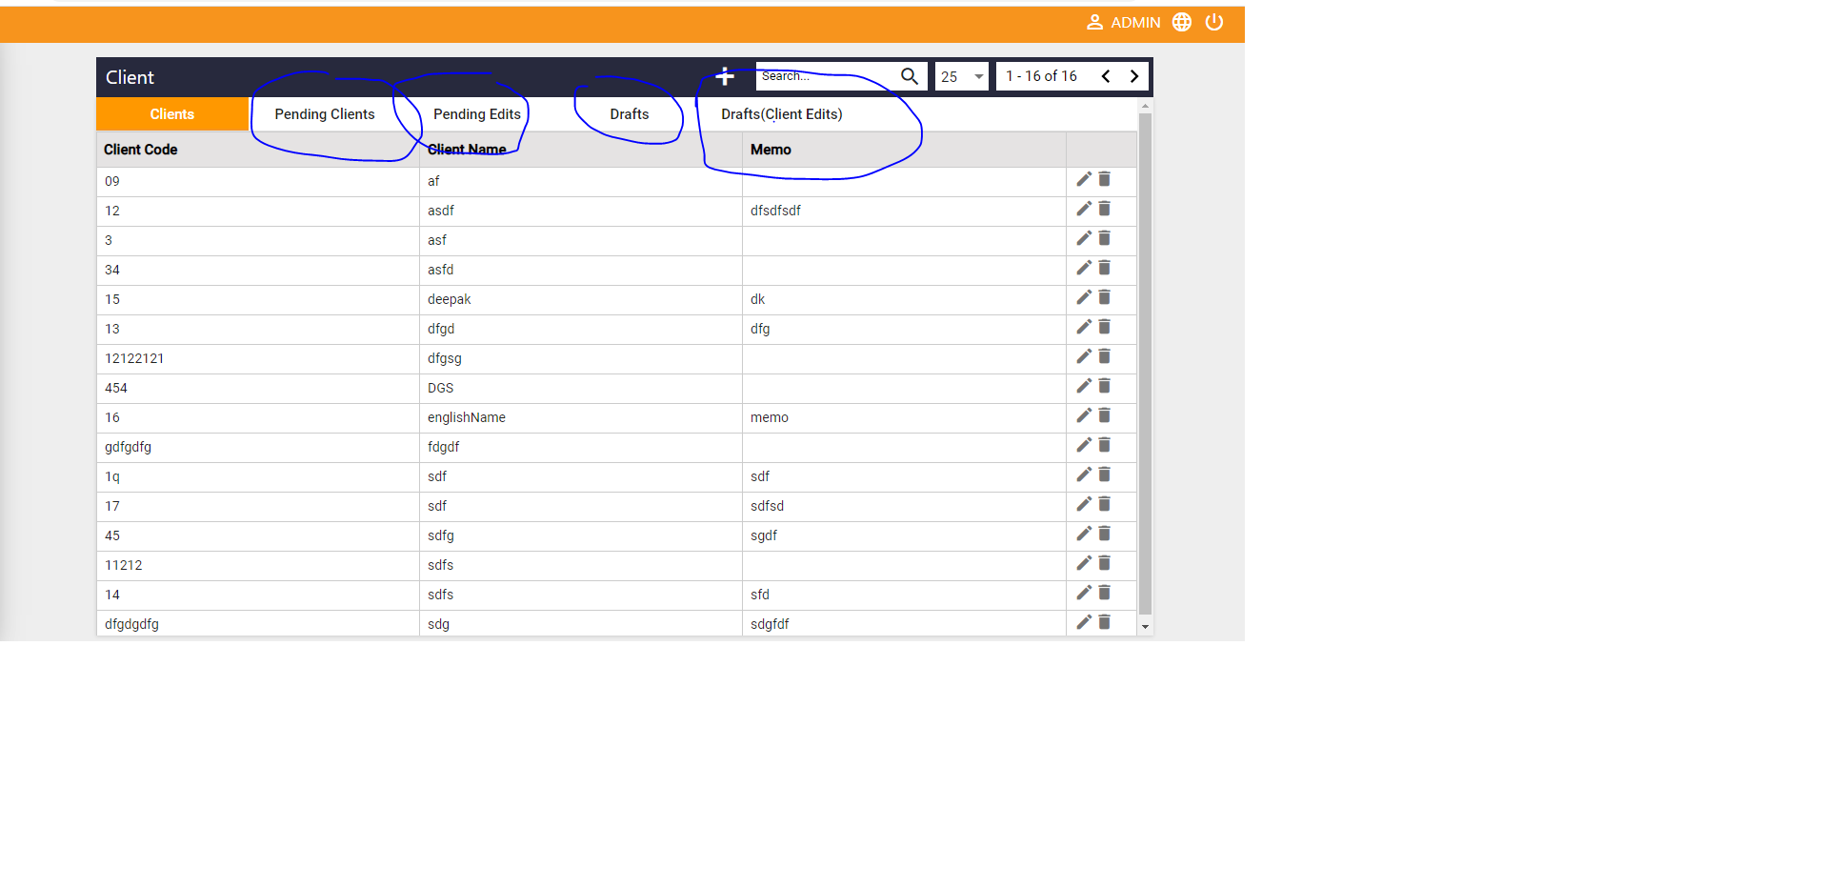
PendingEdits | Pending Edits |  |  | see 32
Drafts | Drafts |  |  | see 32
DraftsClientEdits | Drafts(ClientEdits) |  |  | see 32
Engagements | Engagements |  |  | 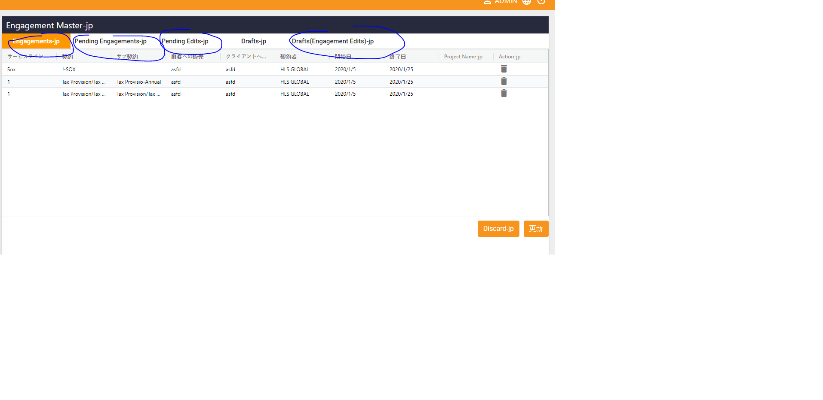
PendingEngagements | Pending Engagements |  |  | see 36
DraftsEngagementEdits | Drafts(Engagement Edits) |  |  | see 36
PendingTasks | Pending Tasks
DraftsTaskEdits | Drafts(Task Edits)
WeekDays | Week Days |  |  | 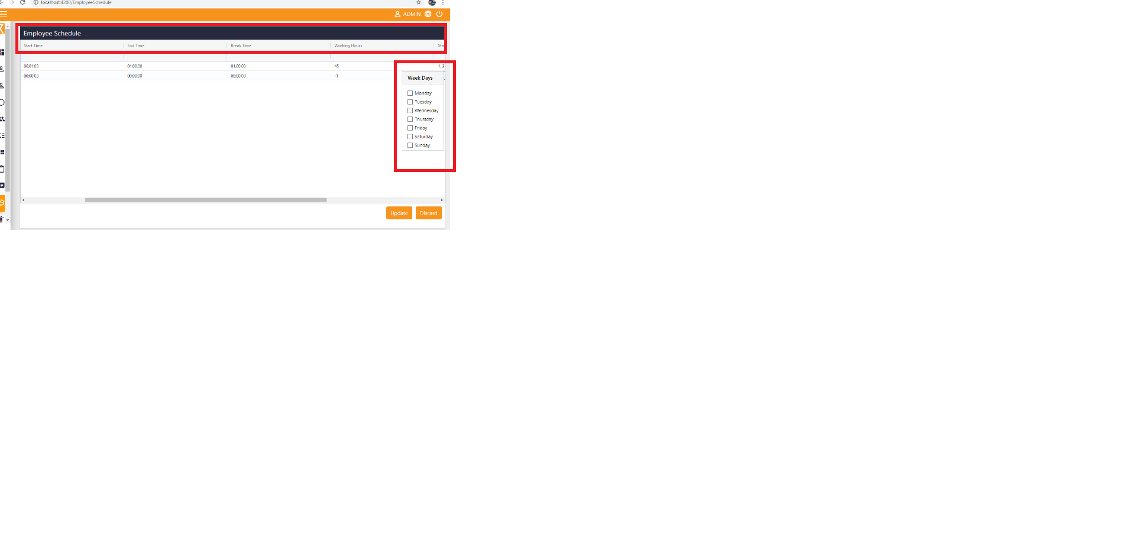
Mon | Monday |  |  | see 43
Tue | Tuesday |  |  | see 43
Wed | Wednesday |  |  | see 43
Thr | Thursday |  |  | see 43
Fri | Friday |  |  | see 43
Sat | Saturday |  |  | see 43
Sun | Sunday |  |  | see 43
NationalHolidayOT | National Holiday Overtime |  |  | see 43
NationalHolidayOT | National Holiday OT |  |  | see 43
WorkingHours | Working Hours |  |  | see 43
BreakTime | Break Time |  |  | see 43
EndTime | End Time |  |  | see 43
StartTime | Start Time |  |  | see 43
AddEmployeeCategory | Add Employee Category |  |  | 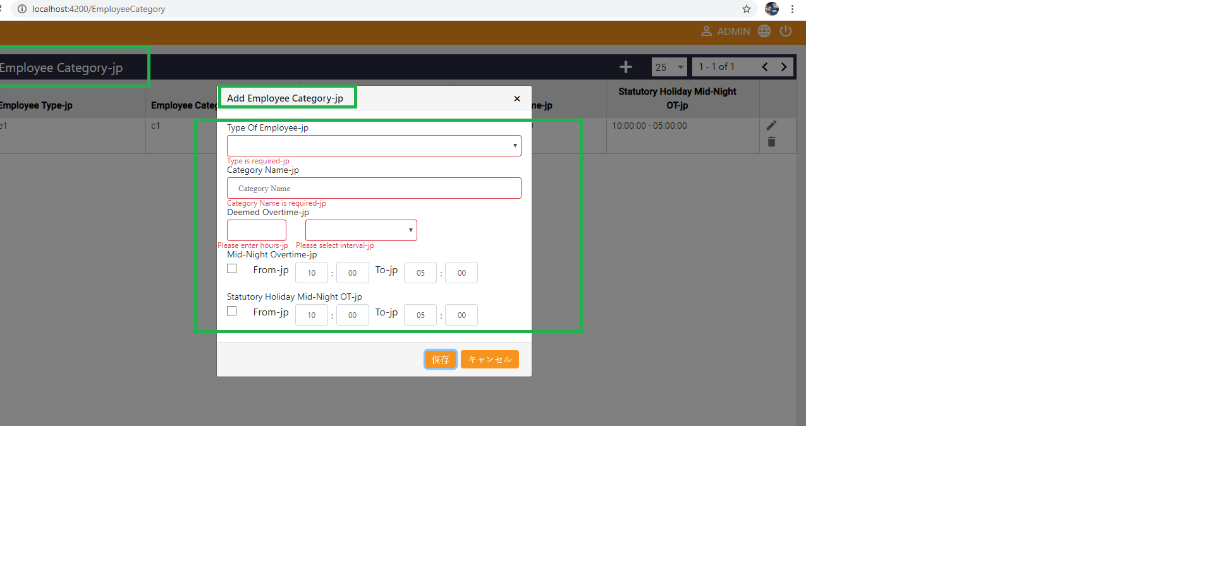
EmployeeCategory | Employee Category |  |  | see 57
CategoryName | Category Name |  |  | see 57
DeemedOT | Deemed OT |  |  | see 57
DeemedOT | Deemed Overtime |  |  | see 57
MidNightOvertime | Mid-Night Overtime |  |  | see 57
From | From |  |  | see 57
To | To |  |  | see 57
StatutoryHolidayWork | Statutory Holiday Work |  |  | see 57
StatutoryHolidayMidNightOT | StatutoryHoliday Mid-Night OT |  |  | see 57
StatutoryHolidayMidNightOT | Statutory Holiday Mid-Night Overtime |  |  | see 57
Timesheet | Timesheet
Remove | Remove
Clear | Clear
RecordSubmitted | Submitted Successfully
SessionExpired | Your session has been expired,please login again
Task_name_req | Task name is required | see 74
SaveAsDraft | Save as draft |  |  | 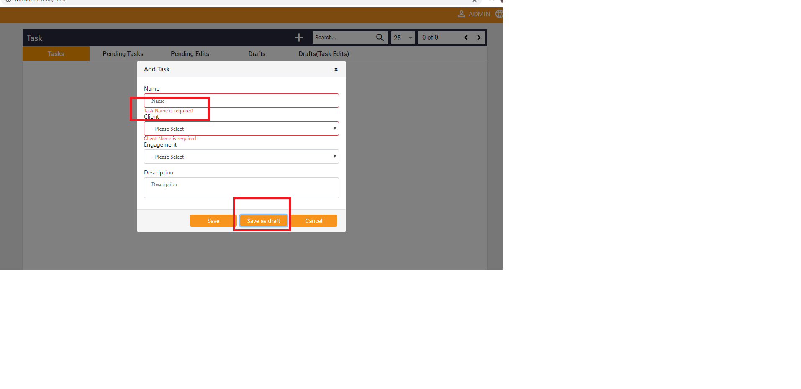
Native_name_req | Native Name is required |  |  | 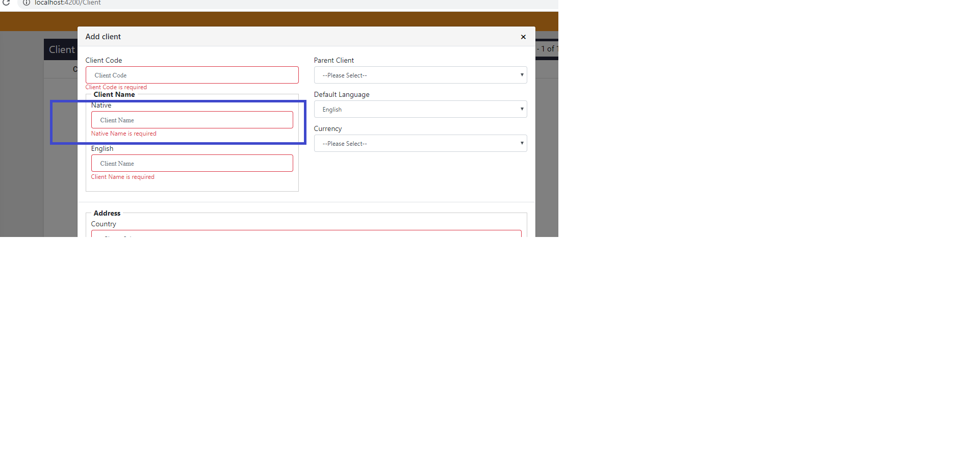
PleaseSelectAtleastOneModule | Please select atleast one Module |  |  | 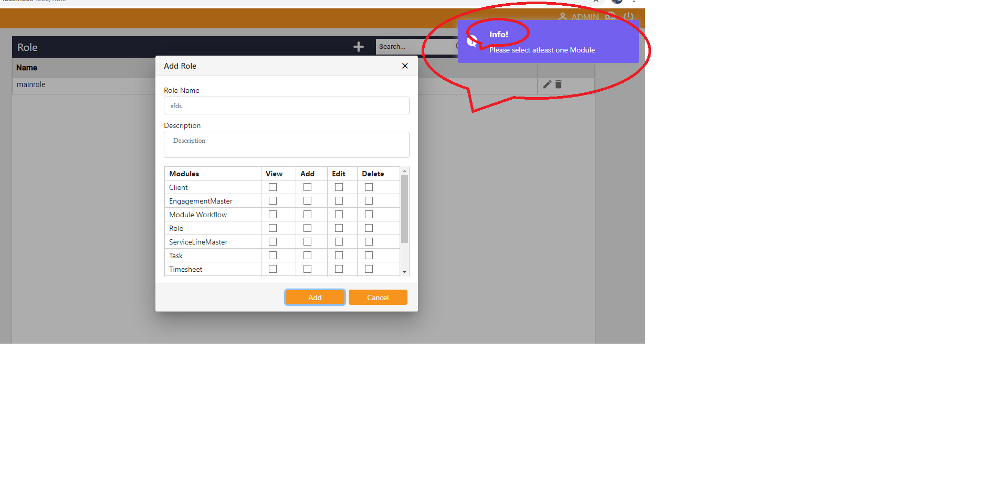
Success | Success!
Error | Error!
Info | Info! |  |  | see 76
InfoTipAvailableUsersToStates | You Can drag and drop Available Users to States |  |  | 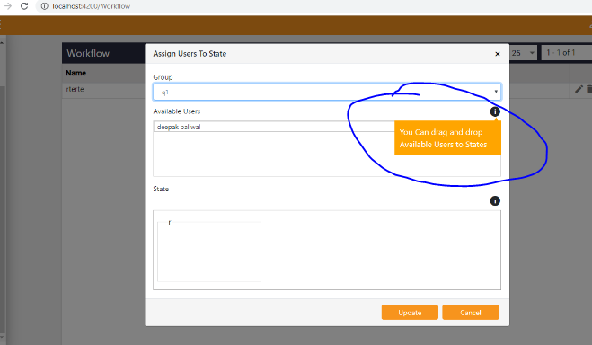
InfoTipForStatesToAvailableUsers | You can drag and drop states to available users & with in different states |  |  | 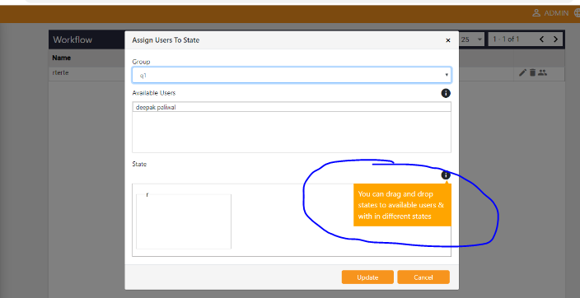
HolidayCalendar | Holiday Calendar |  |  | 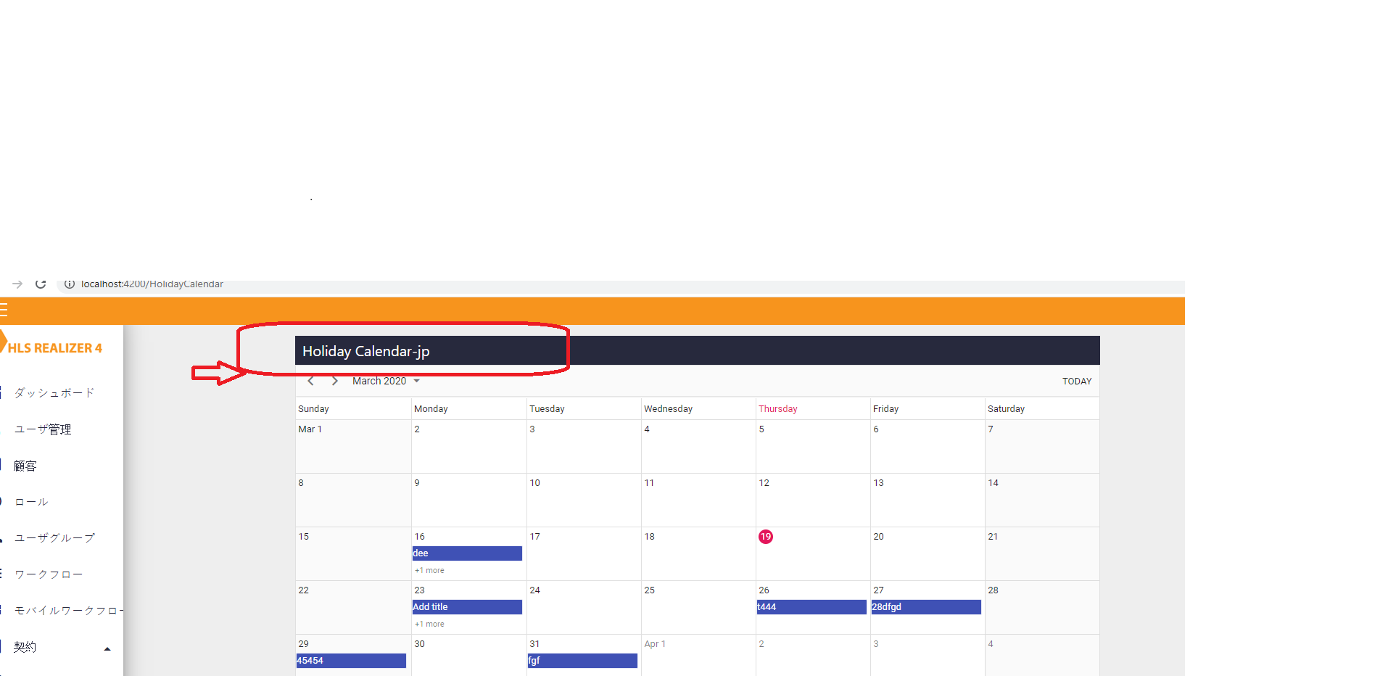
Chargeability | Chargeability |  |  | 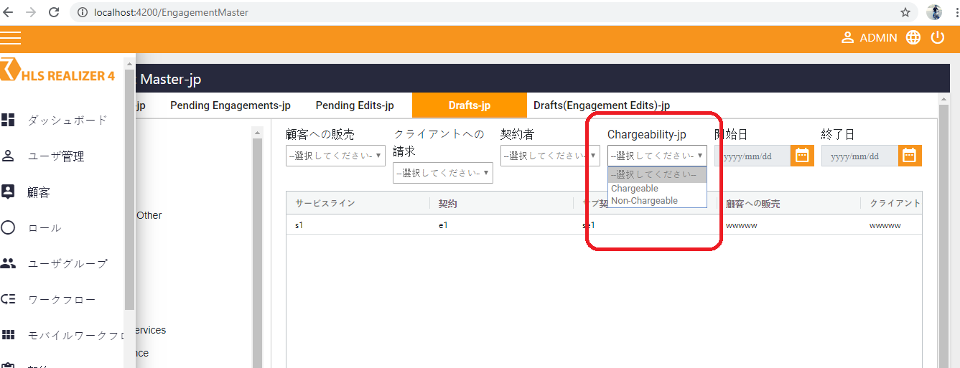
PreApproval | Pre-approval |  |  | 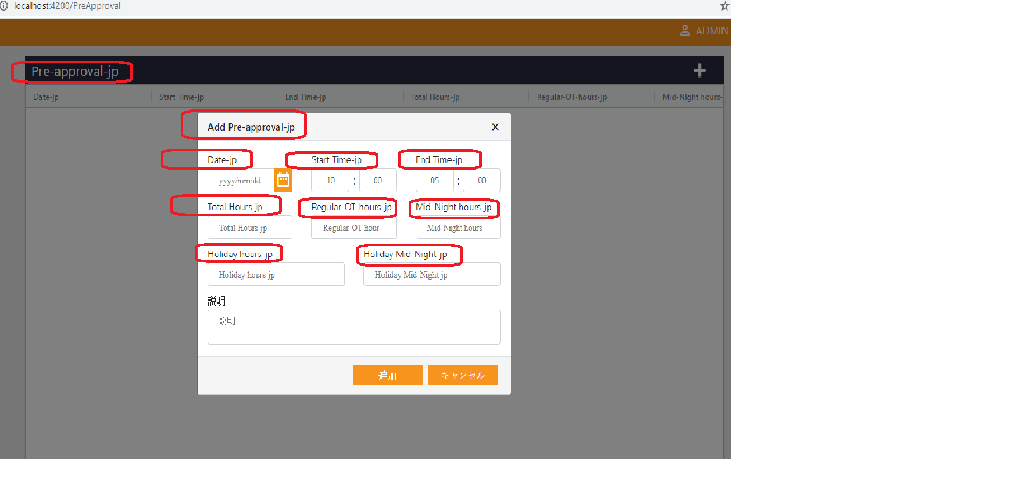
AddPreApproval | Add Pre-approval |  |  | see 84
Timesheet | Timesheet
Details | Details
Status | Status
Month | Month
year | year
ApplyFilter | Apply Filter
Day | Day
Date | Date
StartTime | Start Time
EndTime | End Time
Duration | Duration
TotalHours | Total hours
TotalWorkingHours | Total Working hours
RegularOThours | Regular-OT-hours
MidnightHours | Midnight hours
MidnightOThours | Midnight-OT-hours
HolidayHours | Holiday hours
HolidayOThours | Holiday-OT-hours
HolidayMidnightHours | Holiday Midnight hours
HolidayMidnightOTHours | Holiday Midnight-OT-hours
HoursWorked | Hours Worked
ChargeableHours | Chargeable hours
NonChargeableHours | Non-Chargeable hours
AddTimelog | Add Timelog
UpdateTimelog | Update Timelog
PlaceOfWork | Place Of Work
Billability | Billability
LoadSavedData | Saved Data Loaded
LoadDefaultValues | No record found, loading default values
LoadUserSchedule | Data loaded by User schedule
PlsAddTimeLogDetail | Please add timelog details
TimeNotMatch | Total Working hours not match with details
UserScheduleNotFound | User Schedule not found
EmployeeCategoryNotFound | Employee Category not found

