Know-How on the solution
Technology Stack | Java 8
 | Junit 5
 | Basic Spring Boot Framework with annotations
 | Maven
 | IDE- Eclipse Oxygen 4.7.1

Application Design | The application design is based on Spring Boot framework with spring-boot-starter to run using command line runner.
 | Supported Junit test cases for the services built
 | It's not purely MVC design however maintained controller in terms of main component which is command line runner and modelling part is done using domain objects and services.
 | The main component of the application is SmartMeterReadParserMainApp runs to autowire components and services and initiates the process once spring boot app is started

The Logic | The class "SimpleNEMParserServiceImpl" is implemented from it's internface, which parses the input file using Java -8 Scanner API and java function to read the start block.
 | The logic is built to separately read and process the row based on the meter read block type.
 | Validation checks are performed based on the problem statement provided. Assumtion is that, if a row or any field in that row is invalid, further processing won't be done and application fails to parse further data.

How to Run? | In IDE - Import this project as maven project into the workspace of any IDE. Run SmartMeterReadParserMainApp.java as java application. This would run positive scenario where it processes input file and prints the result.
 | Run Main Application - Execute SmartMeterReadParserMainApp.java as a java application
 | Junit Test cases - You can exceute the test cases written for service implementation using Junit Runner. Make sure that JUnitRunner 5 is available in IDE.
 | Junit test cases are available at path src/test/java

 | On terminal - Go to terminal at the project directory where POM is places. Install packages using mvn clean install.
 | Once this is done, target folder will have jar file created with the name smartmeterparser-0.0.1-snapshot.jar
 | Run this jar file to see the input test file being parsed and final output is displayed on the terminal

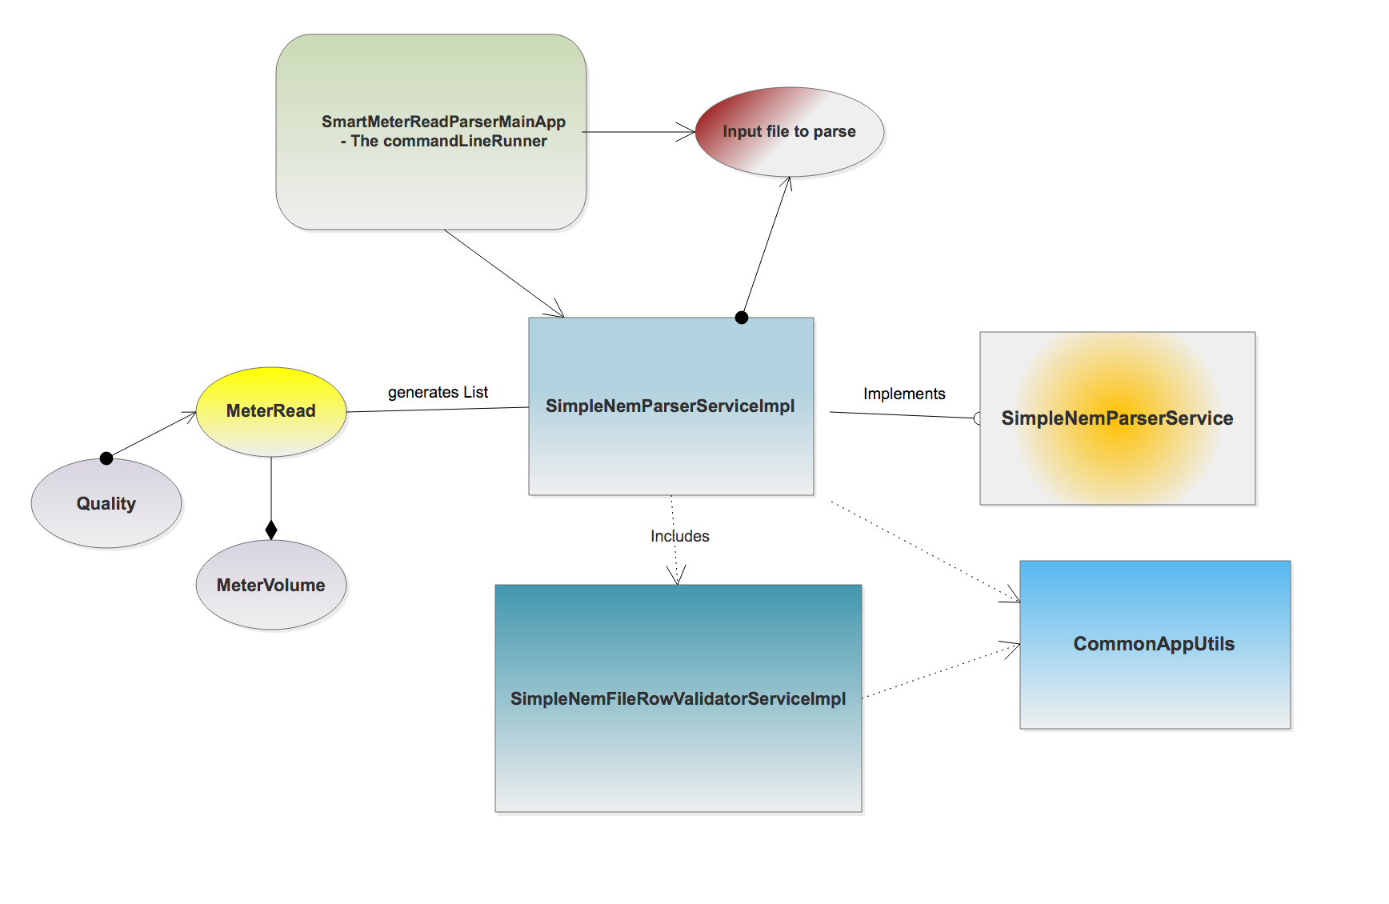
Entity Relationship

