Employees
ID | Employee ID | Name | Email | Phone | Department | Designation | Salary | Photo | Open Photo | Created At | Active
1 | EMP001 | Deepashree B L | bldeepashree@gmail.com | 8050036629 | ISBG | Intern | 1000 | 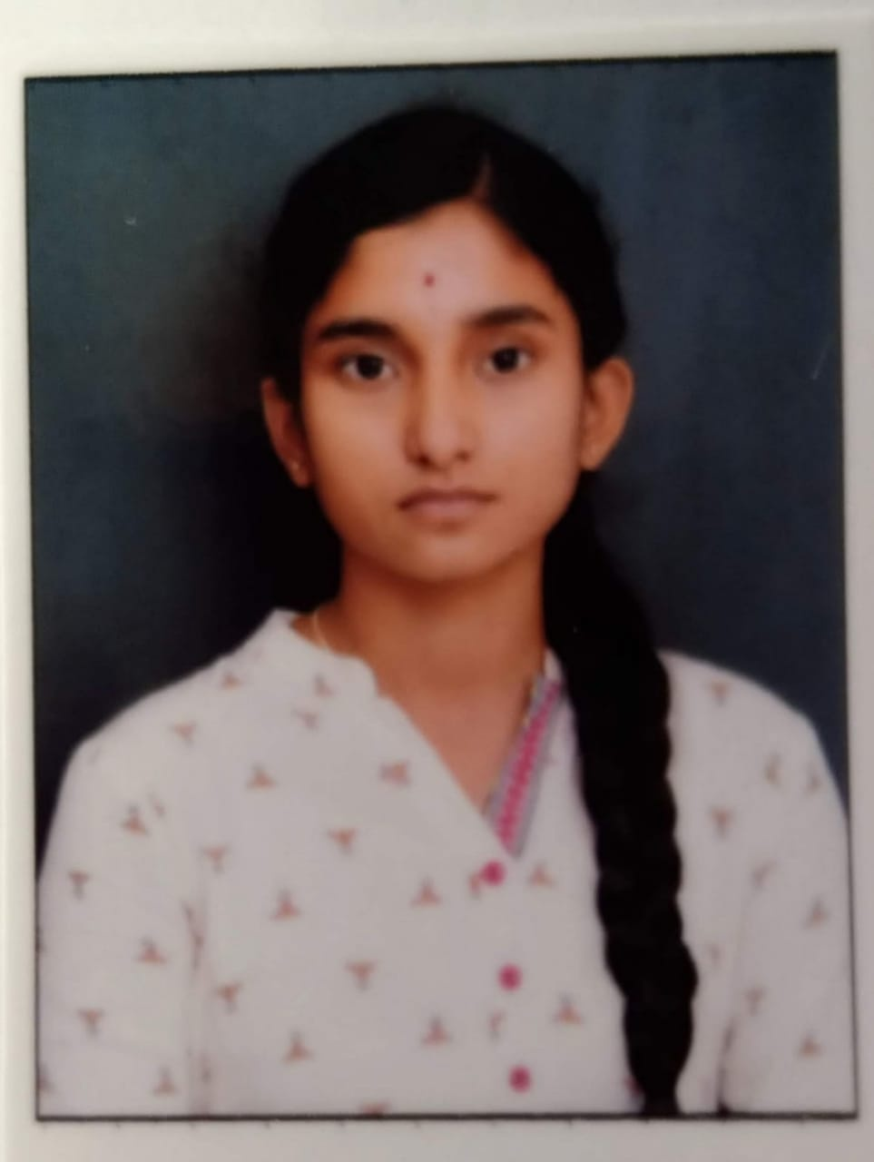 | Open Photo | 2026-09-27 06:11:27 | Yes

Attendance
ID | Employee ID | Date | Check In | Check Out | Working Hours | Status | Check-In Photo | Open Check-In Photo | Check-Out Photo | Open Check-Out Photo
1 | EMP001 | 2026-09-27 | 11:57:08 | 11:58:30 | 0.02 | Present | 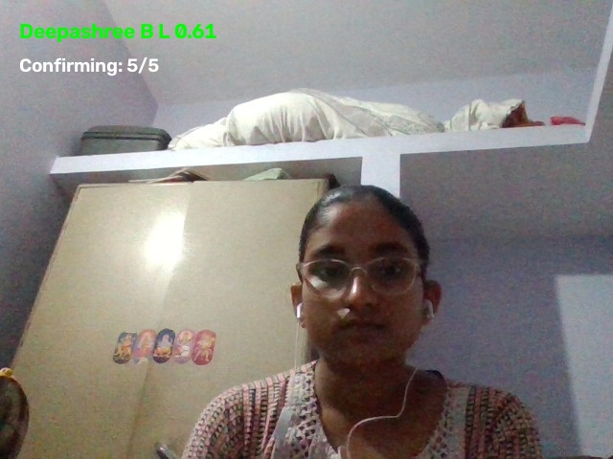 | Open Check-In Photo | 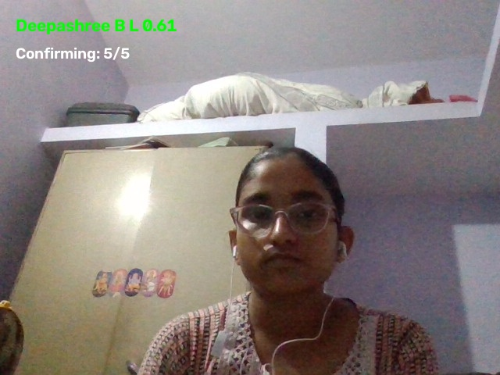 | Open Check-Out Photo

