ESS_Activity1.1
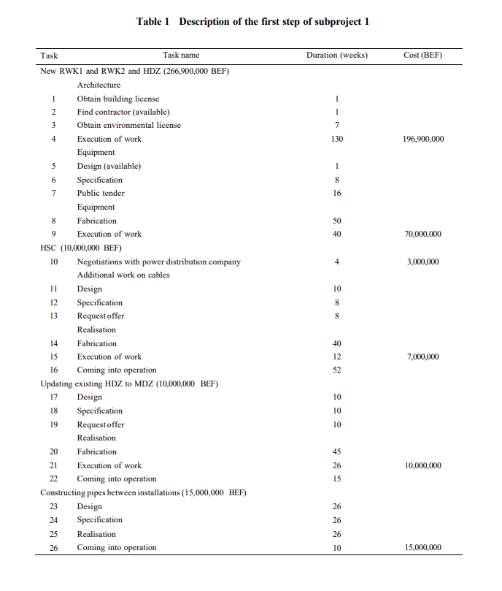
 |  | x0 | x1 | x2 | x3 | x4 | x5 | x6 | x7 | x8 | x9 | x10 | x11 | x12 | x13 | x14 | x15 | x16 | x17 | x18 | x19 | x20 | x21 | x22 | x23 | x24 | x25 | x26 | x27 | x28 | x29 | x30 | x31 | x32 | x33 | x34 | x35 | x36 | x37 | x38 | x39 | x40 | x41 | x42 | x43 | x44 | x45 | x46 | x47 | x48 | x49 | x50 | x51 | x52 | x53 | x54 | x55 | x56 | x57 | x58 | x59 | x60 | x61 | x62 | x63 | x64 | x65 | x66 | x67 | x68 | x69 | x70 | x71 | x72 | x73 | x74 | x75 | x76 | x77 | Total
 | Activities | 0 | 1 | 1 | 7 | 137 | 1 | 12 | 28 | 78 | 177 | 4 | 14 | 22 | 30 | 70 | 82 | 134 | 10 | 20 | 30 | 75 | 101 | 116 | 26 | 52 | 78 | 187 | 26 | 96 | 148 | 152 | 30 | 56 | 56 | 42 | 82 | 92 | 84 | 154 | 4 | 14 | 5 | 13 | 21 | 51 | 66 | 70 | 34 | 49 | 54 | 80 | 59 | 77 | 54 | 55 | 155 | 53 | 63 | 71 | 101 | 175 | 183 | 42 | 57 | 62 | 88 | 67 | 85 | 62 | 63 | 140 | 61 | 71 | 79 | 109 | 150 | 154 | 154 | 5462
 |  | - | - | - | - | 196,900,000.00 | - | - | - | - | 70,000,000.00 | 3,000,000.00 | - | - | - | - | 7,000,000.00 | - | - | - | - | - | 10,000,000.00 | - | - | - | - | 15,000,000.00 | - | 170,000,000.00 | - | - | - | - | - | - | 1,000,000.00 | - | 500,000.00 | - | - | 400,000.00 | - | - | 1,500,000.00 | - | 600,000.00 | - | - | - | - | - | - | - | - | - | 16,000,000.00 | - | - | - | - | 8,000,000.00 | - | - | - | - | - | - | - | - | - | - | - | - | - | - | 5,000,000.00 | -
 |  | 0 | 0 | 0 | 0 | 6.25031198E-52 | 0 | 0 | 0 | 0 | 9.4400597501E-70 | 54946.916666 | 0 | 0 | 0 | 0 | 1.7098205164E-29 | - | 0 | 0 | 0 | 0 | 1.3685394712E-37 | 0 | 0 | 0 | 0 | 9.1838153487E-75 | 0 | 3.4528575266E-34 | 0 | 0 | 0 | 0 | 0 | 0 | 2.4426007377E-30 | 0 | 1.6528503134E-31 | 0 | 0 | 0.33 | 0 | 0 | 0.0011373840642 | 0 | 1.3023132068E-23 | 0 | 0 | 0 | 0 | 0 | 0 | 0 | 0 | 0 | 7.7352666209E-61 | 0 | 0 | 0 | 0 | 7.9717864081E-70 | 0 | 0 | 0 | 0 | 0 | 0 | 0 | 0 | 0 | 0 | 0 | 0 | 0 | 0 | 3.5875479866E-59 | 0

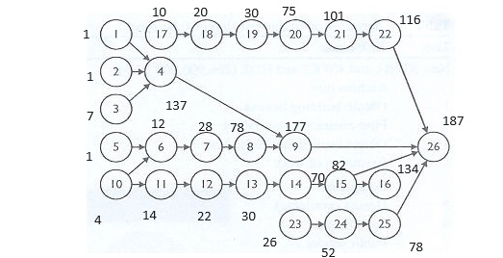
1 | Obtain License | -1 | 1 | 0 | 0 | 0 | 0 | 0 | 0 | 0 | 0 | 0 | 0 | 0 | 0 | 0 | 0 | 0 | 0 | 0 | 0 | 0 | 0 | 0 | 0 | 0 | 0 | 0 | 1 | >= | 1
2 | Find Contractor | -1 | 0 | 1 | 0 | 0 | 0 | 0 | 0 | 0 | 0 | 0 | 0 | 0 | 0 | 0 | 0 | 0 | 0 | 0 | 0 | 0 | 0 | 0 | 0 | 0 | 0 | 0 | 1 | >= | 1
3 | Obtain Enviroment Clearance | -1 | 0 | 0 | 1 | 0 | 0 | 0 | 0 | 0 | 0 | 0 | 0 | 0 | 0 | 0 | 0 | 0 | 0 | 0 | 0 | 0 | 0 | 0 | 0 | 0 | 0 | 0 | 7 | >= | 7
4 | Execution of work Equipment | 0 | -1 | 0 | 0 | 1 | 0 | 0 | 0 | 0 | 0 | 0 | 0 | 0 | 0 | 0 | 0 | 0 | 0 | 0 | 0 | 0 | 0 | 0 | 0 | 0 | 0 | 0 | 136 | >= | 130
 |  | 0 | 0 | -1 | 0 | 1 | 0 | 0 | 0 | 0 | 0 | 0 | 0 | 0 | 0 | 0 | 0 | 0 | 0 | 0 | 0 | 0 | 0 | 0 | 0 | 0 | 0 | 0 | 136 | >= | 130
 |  | 0 | 0 | 0 | -1 | 1 | 0 | 0 | 0 | 0 | 0 | 0 | 0 | 0 | 0 | 0 | 0 | 0 | 0 | 0 | 0 | 0 | 0 | 0 | 0 | 0 | 0 | 0 | 130 | >= | 130
5 | Design(available) | -1 | 0 | 0 | 0 | 0 | 1 | 0 | 0 | 0 | 0 | 0 | 0 | 0 | 0 | 0 | 0 | 0 | 0 | 0 | 0 | 0 | 0 | 0 | 0 | 0 | 0 | 0 | 1 | >= | 1
6 | Specification | 0 | 0 | 0 | 0 | 0 | 0 | 1 | 0 | 0 | 0 | -1 | 0 | 0 | 0 | 0 | 0 | 0 | 0 | 0 | 0 | 0 | 0 | 0 | 0 | 0 | 0 | 0 | 8 | >= | 8
 |  | 0 | 0 | 0 | 0 | 0 | -1 | 1 | 0 | 0 | 0 | 0 | 0 | 0 | 0 | 0 | 0 | 0 | 0 | 0 | 0 | 0 | 0 | 0 | 0 | 0 | 0 | 0 | 11 | >= | 8
7 | Public Tender Equipment | 0 | 0 | 0 | 0 | 0 | 0 | -1 | 1 | 0 | 0 | 0 | 0 | 0 | 0 | 0 | 0 | 0 | 0 | 0 | 0 | 0 | 0 | 0 | 0 | 0 | 0 | 0 | 16 | >= | 16
8 | Fabrication | 0 | 0 | 0 | 0 | 0 | 0 | 0 | -1 | 1 | 0 | 0 | 0 | 0 | 0 | 0 | 0 | 0 | 0 | 0 | 0 | 0 | 0 | 0 | 0 | 0 | 0 | 0 | 50 | >= | 50
9 | Execution of work | 0 | 0 | 0 | 0 | 0 | 0 | 0 | 0 | -1 | 1 | 0 | 0 | 0 | 0 | 0 | 0 | 0 | 0 | 0 | 0 | 0 | 0 | 0 | 0 | 0 | 0 | 0 | 99 | >= | 40
 |  | 0 | 0 | 0 | 0 | -1 | 0 | 0 | 0 | 0 | 1 | 0 | 0 | 0 | 0 | 0 | 0 | 0 | 0 | 0 | 0 | 0 | 0 | 0 | 0 | 0 | 0 | 0 | 40 | >= | 40
10 | Negotiation with power dsistribution company | -1 | 0 | 0 | 0 | 0 | 0 | 0 | 0 | 0 | 0 | 1 | 0 | 0 | 0 | 0 | 0 | 0 | 0 | 0 | 0 | 0 | 0 | 0 | 0 | 0 | 0 | 0 | 4 | >= | 4
11 | Design | 0 | 0 | 0 | 0 | 0 | 0 | 0 | 0 | 0 | 0 | -1 | 1 | 0 | 0 | 0 | 0 | 0 | 0 | 0 | 0 | 0 | 0 | 0 | 0 | 0 | 0 | 0 | 10 | >= | 10
12 | Specification | 0 | 0 | 0 | 0 | 0 | 0 | 0 | 0 | 0 | 0 | 0 | -1 | 1 | 0 | 0 | 0 | 0 | 0 | 0 | 0 | 0 | 0 | 0 | 0 | 0 | 0 | 0 | 8 | >= | 8
13 | Request offer | 0 | 0 | 0 | 0 | 0 | 0 | 0 | 0 | 0 | 0 | 0 | 0 | -1 | 1 | 0 | 0 | 0 | 0 | 0 | 0 | 0 | 0 | 0 | 0 | 0 | 0 | 0 | 8 | >= | 8
14 | Fabrication | 0 | 0 | 0 | 0 | 0 | 0 | 0 | 0 | 0 | 0 | 0 | 0 | 0 | -1 | 1 | 0 | 0 | 0 | 0 | 0 | 0 | 0 | 0 | 0 | 0 | 0 | 0 | 40 | >= | 40
15 | Execution of work | 0 | 0 | 0 | 0 | 0 | 0 | 0 | 0 | 0 | 0 | 0 | 0 | 0 | 0 | -1 | 1 | 0 | 0 | 0 | 0 | 0 | 0 | 0 | 0 | 0 | 0 | 0 | 12 | >= | 12
16 | Coming into operation | 0 | 0 | 0 | 0 | 0 | 0 | 0 | 0 | 0 | 0 | 0 | 0 | 0 | 0 | 0 | -1 | 1 | 0 | 0 | 0 | 0 | 0 | 0 | 0 | 0 | 0 | 0 | 52 | >= | 52
17 | Design | -1 | 0 | 0 | 0 | 0 | 0 | 0 | 0 | 0 | 0 | 0 | 0 | 0 | 0 | 0 | 0 | 0 | 1 | 0 | 0 | 0 | 0 | 0 | 0 | 0 | 0 | 0 | 10 | >= | 10
18 | Specificiation | 0 | 0 | 0 | 0 | 0 | 0 | 0 | 0 | 0 | 0 | 0 | 0 | 0 | 0 | 0 | 0 | 0 | -1 | 1 | 0 | 0 | 0 | 0 | 0 | 0 | 0 | 0 | 10 | >= | 10
19 | Request offer | 0 | 0 | 0 | 0 | 0 | 0 | 0 | 0 | 0 | 0 | 0 | 0 | 0 | 0 | 0 | 0 | 0 | 0 | -1 | 1 | 0 | 0 | 0 | 0 | 0 | 0 | 0 | 10 | >= | 10
20 | Fabrication | 0 | 0 | 0 | 0 | 0 | 0 | 0 | 0 | 0 | 0 | 0 | 0 | 0 | 0 | 0 | 0 | 0 | 0 | 0 | -1 | 1 | 0 | 0 | 0 | 0 | 0 | 0 | 45 | >= | 45
21 | Execution of work | 0 | 0 | 0 | 0 | 0 | 0 | 0 | 0 | 0 | 0 | 0 | 0 | 0 | 0 | 0 | 0 | 0 | 0 | 0 | 0 | -1 | 1 | 0 | 0 | 0 | 0 | 0 | 26 | >= | 26
22 | Coming into operation | 0 | 0 | 0 | 0 | 0 | 0 | 0 | 0 | 0 | 0 | 0 | 0 | 0 | 0 | 0 | 0 | 0 | 0 | 0 | 0 | 0 | -1 | 1 | 0 | 0 | 0 | 0 | 15 | >= | 15
23 | Design | -1 | 0 | 0 | 0 | 0 | 0 | 0 | 0 | 0 | 0 | 0 | 0 | 0 | 0 | 0 | 0 | 0 | 0 | 0 | 0 | 0 | 0 | 0 | 1 | 0 | 0 | 0 | 26 | >= | 26
24 | Specification | 0 | 0 | 0 | 0 | 0 | 0 | 0 | 0 | 0 | 0 | 0 | 0 | 0 | 0 | 0 | 0 | 0 | 0 | 0 | 0 | 0 | 0 | 0 | -1 | 1 | 0 | 0 | 26 | >= | 26
25 | Realisation | 0 | 0 | 0 | 0 | 0 | 0 | 0 | 0 | 0 | 0 | 0 | 0 | 0 | 0 | 0 | 0 | 0 | 0 | 0 | 0 | 0 | 0 | 0 | 0 | -1 | 1 | 0 | 26 | >= | 26
26 | Coming into operation | 0 | 0 | 0 | 0 | 0 | 0 | 0 | 0 | 0 | 0 | 0 | 0 | 0 | 0 | 0 | 0 | 0 | 0 | 0 | 0 | 0 | 0 | 0 | 0 | 0 | -1 | 1 | 109 | >= | 10
 |  | 0 | 0 | 0 | 0 | 0 | 0 | 0 | 0 | 0 | 0 | 0 | 0 | 0 | 0 | 0 | 0 | 0 | 0 | 0 | 0 | 0 | 0 | -1 | 0 | 0 | 0 | 1 | 71 | >= | 10
 |  | 0 | 0 | 0 | 0 | 0 | 0 | 0 | 0 | 0 | -1 | 0 | 0 | 0 | 0 | 0 | 0 | 0 | 0 | 0 | 0 | 0 | 0 | 0 | 0 | 0 | 0 | 1 | 10 | >= | 10
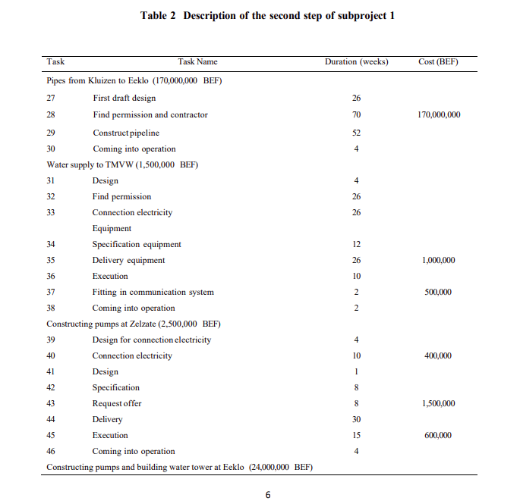
 |  | 0 | 0 | 0 | 0 | 0 | 0 | 0 | 0 | 0 | 0 | 0 | 0 | 0 | 0 | 0 | -1 | 0 | 0 | 0 | 0 | 0 | 0 | 0 | 0 | 0 | 0 | 1 | 105 | >= | 10
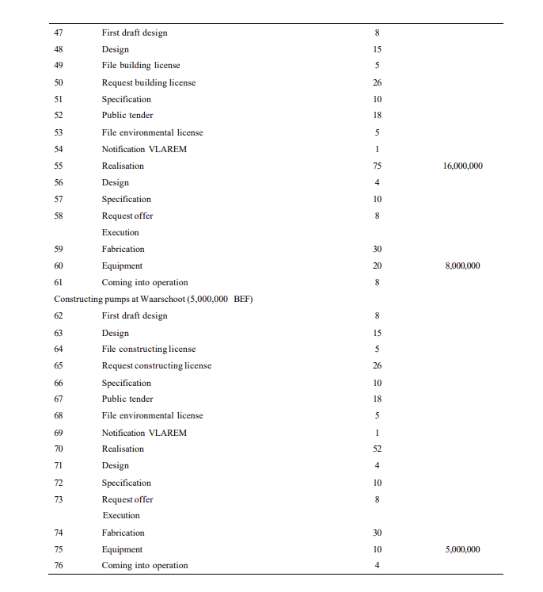
 |  |  | x27 | x28 | x29 | x30 | x31 | x32 | x33 | x34 | x35 | x36 | x37 | x38 | x39 | x40 | x41 | x42 | x43 | x44 | x45 | x46 | x47 | x48 | x49 | x50 | x51 | x52 | x53 | x54 | x55 | x56 | x57 | x58 | x59 | x60 | x61 | x62 | x63 | x64 | x65 | x66 | x67 | x68 | x69 | x70 | x71 | x72 | x73 | x74 | x75 | x76 | x77 | Total
 |  | 0 | 26 | 96 | 148 | 152 | 30 | 56 | 56 | 42 | 82 | 92 | 84 | 154 | 4 | 14 | 5 | 13 | 21 | 51 | 66 | 70 | 34 | 49 | 54 | 80 | 59 | 77 | 54 | 55 | 155 | 53 | 63 | 71 | 101 | 175 | 183 | 42 | 57 | 62 | 88 | 67 | 85 | 62 | 63 | 140 | 61 | 71 | 79 | 109 | 150 | 154 | 5462

27 | First Draft design | -1 | 1 | 0 | 0 | 0 | 0 | 0 | 0 | 0 | 0 | 0 | 0 | 0 | 0 | 0 | 0 | 0 | 0 | 0 | 0 | 0 | 0 | 0 | 0 | 0 | 0 | 0 | 0 | 0 | 0 | 0 | 0 | 0 | 0 | 0 | 0 | 0 | 0 | 0 | 0 | 0 | 0 | 0 | 0 | 0 | 0 | 0 | 0 | 0 | 0 | 0 | 0 | 26 | >= | 26
28 | Find permission and contractor | 0 | -1 | 1 | 0 | 0 | 0 | 0 | 0 | 0 | 0 | 0 | 0 | 0 | 0 | 0 | 0 | 0 | 0 | 0 | 0 | 0 | 0 | 0 | 0 | 0 | 0 | 0 | 0 | 0 | 0 | 0 | 0 | 0 | 0 | 0 | 0 | 0 | 0 | 0 | 0 | 0 | 0 | 0 | 0 | 0 | 0 | 0 | 0 | 0 | 0 | 0 | 0 | 70 | >= | 70
29 | Contractor pipeline | 0 | 0 | -1 | 1 | 0 | 0 | 0 | 0 | 0 | 0 | 0 | 0 | 0 | 0 | 0 | 0 | 0 | 0 | 0 | 0 | 0 | 0 | 0 | 0 | 0 | 0 | 0 | 0 | 0 | 0 | 0 | 0 | 0 | 0 | 0 | 0 | 0 | 0 | 0 | 0 | 0 | 0 | 0 | 0 | 0 | 0 | 0 | 0 | 0 | 0 | 0 | 0 | 52 | >= | 52
30 | Coming into operation | 0 | 0 | 0 | -1 | 1 | 0 | 0 | 0 | 0 | 0 | 0 | 0 | 0 | 0 | 0 | 0 | 0 | 0 | 0 | 0 | 0 | 0 | 0 | 0 | 0 | 0 | 0 | 0 | 0 | 0 | 0 | 0 | 0 | 0 | 0 | 0 | 0 | 0 | 0 | 0 | 0 | 0 | 0 | 0 | 0 | 0 | 0 | 0 | 0 | 0 | 0 | 0 | 4 | >= | 4
31 | Design | 0 | -1 | 0 | 0 | 0 | 1 | 0 | 0 | 0 | 0 | 0 | 0 | 0 | 0 | 0 | 0 | 0 | 0 | 0 | 0 | 0 | 0 | 0 | 0 | 0 | 0 | 0 | 0 | 0 | 0 | 0 | 0 | 0 | 0 | 0 | 0 | 0 | 0 | 0 | 0 | 0 | 0 | 0 | 0 | 0 | 0 | 0 | 0 | 0 | 0 | 0 | 0 | 4 | >= | 4
32 | Find permission | 0 | 0 | 0 | 0 | 0 | -1 | 1 | 0 | 0 | 0 | 0 | 0 | 0 | 0 | 0 | 0 | 0 | 0 | 0 | 0 | 0 | 0 | 0 | 0 | 0 | 0 | 0 | 0 | 0 | 0 | 0 | 0 | 0 | 0 | 0 | 0 | 0 | 0 | 0 | 0 | 0 | 0 | 0 | 0 | 0 | 0 | 0 | 0 | 0 | 0 | 0 | 0 | 26 | >= | 26
33 | Connection electricity | 0 | 0 | 0 | 0 | 0 | -1 | 0 | 1 | 0 | 0 | 0 | 0 | 0 | 0 | 0 | 0 | 0 | 0 | 0 | 0 | 0 | 0 | 0 | 0 | 0 | 0 | 0 | 0 | 0 | 0 | 0 | 0 | 0 | 0 | 0 | 0 | 0 | 0 | 0 | 0 | 0 | 0 | 0 | 0 | 0 | 0 | 0 | 0 | 0 | 0 | 0 | 0 | 26 | >= | 26
34 | Specification Equipment | 0 | 0 | 0 | 0 | 0 | -1 | 0 | 0 | 1 | 0 | 0 | 0 | 0 | 0 | 0 | 0 | 0 | 0 | 0 | 0 | 0 | 0 | 0 | 0 | 0 | 0 | 0 | 0 | 0 | 0 | 0 | 0 | 0 | 0 | 0 | 0 | 0 | 0 | 0 | 0 | 0 | 0 | 0 | 0 | 0 | 0 | 0 | 0 | 0 | 0 | 0 | 0 | 12 | >= | 12
35 | Delivery Equipment | 0 | 0 | 0 | 0 | 0 | 0 | 0 | 0 | -1 | 1 | 0 | 0 | 0 | 0 | 0 | 0 | 0 | 0 | 0 | 0 | 0 | 0 | 0 | 0 | 0 | 0 | 0 | 0 | 0 | 0 | 0 | 0 | 0 | 0 | 0 | 0 | 0 | 0 | 0 | 0 | 0 | 0 | 0 | 0 | 0 | 0 | 0 | 0 | 0 | 0 | 0 | 0 | 40 | >= | 26
 |  | 0 | 0 | 0 | 0 | 0 | 0 | 0 | -1 | 0 | 1 | 0 | 0 | 0 | 0 | 0 | 0 | 0 | 0 | 0 | 0 | 0 | 0 | 0 | 0 | 0 | 0 | 0 | 0 | 0 | 0 | 0 | 0 | 0 | 0 | 0 | 0 | 0 | 0 | 0 | 0 | 0 | 0 | 0 | 0 | 0 | 0 | 0 | 0 | 0 | 0 | 0 | 0 | 26 | >= | 26
 |  | 0 | 0 | 0 | 0 | 0 | 0 | -1 | 0 | 0 | 1 | 0 | 0 | 0 | 0 | 0 | 0 | 0 | 0 | 0 | 0 | 0 | 0 | 0 | 0 | 0 | 0 | 0 | 0 | 0 | 0 | 0 | 0 | 0 | 0 | 0 | 0 | 0 | 0 | 0 | 0 | 0 | 0 | 0 | 0 | 0 | 0 | 0 | 0 | 0 | 0 | 0 | 0 | 26 | >= | 26
36 | Execution | 0 | 0 | 0 | 0 | 0 | 0 | 0 | 0 | 0 | -1 | 1 | 0 | 0 | 0 | 0 | 0 | 0 | 0 | 0 | 0 | 0 | 0 | 0 | 0 | 0 | 0 | 0 | 0 | 0 | 0 | 0 | 0 | 0 | 0 | 0 | 0 | 0 | 0 | 0 | 0 | 0 | 0 | 0 | 0 | 0 | 0 | 0 | 0 | 0 | 0 | 0 | 0 | 10 | >= | 10
37 | Fitting in communication system | 0 | 0 | 0 | 0 | 0 | 0 | 0 | 0 | 0 | -1 | 0 | 1 | 0 | 0 | 0 | 0 | 0 | 0 | 0 | 0 | 0 | 0 | 0 | 0 | 0 | 0 | 0 | 0 | 0 | 0 | 0 | 0 | 0 | 0 | 0 | 0 | 0 | 0 | 0 | 0 | 0 | 0 | 0 | 0 | 0 | 0 | 0 | 0 | 0 | 0 | 0 | 0 | 2 | >= | 2
38 | Coming into operations | 0 | 0 | 0 | 0 | -1 | 0 | 0 | 0 | 0 | 0 | 0 | 0 | 1 | 0 | 0 | 0 | 0 | 0 | 0 | 0 | 0 | 0 | 0 | 0 | 0 | 0 | 0 | 0 | 0 | 0 | 0 | 0 | 0 | 0 | 0 | 0 | 0 | 0 | 0 | 0 | 0 | 0 | 0 | 0 | 0 | 0 | 0 | 0 | 0 | 0 | 0 | 0 | 2 | >= | 2
 |  | 0 | 0 | 0 | 0 | 0 | 0 | 0 | 0 | 0 | 0 | -1 | 0 | 1 | 0 | 0 | 0 | 0 | 0 | 0 | 0 | 0 | 0 | 0 | 0 | 0 | 0 | 0 | 0 | 0 | 0 | 0 | 0 | 0 | 0 | 0 | 0 | 0 | 0 | 0 | 0 | 0 | 0 | 0 | 0 | 0 | 0 | 0 | 0 | 0 | 0 | 0 | 0 | 62 | >= | 2
 |  | 0 | 0 | 0 | 0 | 0 | 0 | 0 | 0 | 0 | 0 | 0 | -1 | 1 | 0 | 0 | 0 | 0 | 0 | 0 | 0 | 0 | 0 | 0 | 0 | 0 | 0 | 0 | 0 | 0 | 0 | 0 | 0 | 0 | 0 | 0 | 0 | 0 | 0 | 0 | 0 | 0 | 0 | 0 | 0 | 0 | 0 | 0 | 0 | 0 | 0 | 0 | 0 | 70 | >= | 2
39 | Design for connection electricity | -1 | 0 | 0 | 0 | 0 | 0 | 0 | 0 | 0 | 0 | 0 | 0 | 0 | 1 | 0 | 0 | 0 | 0 | 0 | 0 | 0 | 0 | 0 | 0 | 0 | 0 | 0 | 0 | 0 | 0 | 0 | 0 | 0 | 0 | 0 | 0 | 0 | 0 | 0 | 0 | 0 | 0 | 0 | 0 | 0 | 0 | 0 | 0 | 0 | 0 | 0 | 0 | 4 | >= | 4
40 | Connection in electricity | 0 | 0 | 0 | 0 | 0 | 0 | 0 | 0 | 0 | 0 | 0 | 0 | 0 | -1 | 1 | 0 | 0 | 0 | 0 | 0 | 0 | 0 | 0 | 0 | 0 | 0 | 0 | 0 | 0 | 0 | 0 | 0 | 0 | 0 | 0 | 0 | 0 | 0 | 0 | 0 | 0 | 0 | 0 | 0 | 0 | 0 | 0 | 0 | 0 | 0 | 0 | 0 | 10 | >= | 10
41 | Design | 0 | 0 | 0 | 0 | 0 | 0 | 0 | 0 | 0 | 0 | 0 | 0 | 0 | -1 | 0 | 1 | 0 | 0 | 0 | 0 | 0 | 0 | 0 | 0 | 0 | 0 | 0 | 0 | 0 | 0 | 0 | 0 | 0 | 0 | 0 | 0 | 0 | 0 | 0 | 0 | 0 | 0 | 0 | 0 | 0 | 0 | 0 | 0 | 0 | 0 | 0 | 0 | 1 | >= | 1
42 | Specification | 0 | 0 | 0 | 0 | 0 | 0 | 0 | 0 | 0 | 0 | 0 | 0 | 0 | 0 | 0 | -1 | 1 | 0 | 0 | 0 | 0 | 0 | 0 | 0 | 0 | 0 | 0 | 0 | 0 | 0 | 0 | 0 | 0 | 0 | 0 | 0 | 0 | 0 | 0 | 0 | 0 | 0 | 0 | 0 | 0 | 0 | 0 | 0 | 0 | 0 | 0 | 0 | 8 | >= | 8
43 | Request offer | 0 | 0 | 0 | 0 | 0 | 0 | 0 | 0 | 0 | 0 | 0 | 0 | 0 | 0 | 0 | 0 | -1 | 1 | 0 | 0 | 0 | 0 | 0 | 0 | 0 | 0 | 0 | 0 | 0 | 0 | 0 | 0 | 0 | 0 | 0 | 0 | 0 | 0 | 0 | 0 | 0 | 0 | 0 | 0 | 0 | 0 | 0 | 0 | 0 | 0 | 0 | 0 | 8 | >= | 8
44 | Delivery | 0 | 0 | 0 | 0 | 0 | 0 | 0 | 0 | 0 | 0 | 0 | 0 | 0 | 0 | 0 | 0 | 0 | -1 | 1 | 0 | 0 | 0 | 0 | 0 | 0 | 0 | 0 | 0 | 0 | 0 | 0 | 0 | 0 | 0 | 0 | 0 | 0 | 0 | 0 | 0 | 0 | 0 | 0 | 0 | 0 | 0 | 0 | 0 | 0 | 0 | 0 | 0 | 30 | >= | 30
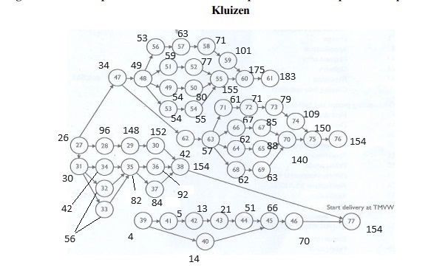
45 | Execution | 0 | 0 | 0 | 0 | 0 | 0 | 0 | 0 | 0 | 0 | 0 | 0 | 0 | 0 | 0 | 0 | 0 | 0 | -1 | 1 | 0 | 0 | 0 | 0 | 0 | 0 | 0 | 0 | 0 | 0 | 0 | 0 | 0 | 0 | 0 | 0 | 0 | 0 | 0 | 0 | 0 | 0 | 0 | 0 | 0 | 0 | 0 | 0 | 0 | 0 | 0 | 0 | 15 | >= | 15
 |  | 0 | 0 | 0 | 0 | 0 | 0 | 0 | 0 | 0 | 0 | 0 | 0 | 0 | 0 | -1 | 0 | 0 | 0 | 0 | 1 | 0 | 0 | 0 | 0 | 0 | 0 | 0 | 0 | 0 | 0 | 0 | 0 | 0 | 0 | 0 | 0 | 0 | 0 | 0 | 0 | 0 | 0 | 0 | 0 | 0 | 0 | 0 | 0 | 0 | 0 | 0 | 0 | 52 | >= | 15
46 | Coming into execution | 0 | 0 | 0 | 0 | 0 | 0 | 0 | 0 | 0 | 0 | 0 | 0 | 0 | 0 | 0 | 0 | 0 | 0 | 0 | -1 | 1 | 0 | 0 | 0 | 0 | 0 | 0 | 0 | 0 | 0 | 0 | 0 | 0 | 0 | 0 | 0 | 0 | 0 | 0 | 0 | 0 | 0 | 0 | 0 | 0 | 0 | 0 | 0 | 0 | 0 | 0 | 0 | 4 | >= | 4
77 | Deivery at TMW(max of x38 and x46) | 0 | 0 | 0 | 0 | 0 | 0 | 0 | 0 | 0 | 0 | 0 | 0 | -1 | 0 | 0 | 0 | 0 | 0 | 0 | 0 | 0 | 0 | 0 | 0 | 0 | 0 | 0 | 0 | 0 | 0 | 0 | 0 | 0 | 0 | 0 | 0 | 0 | 0 | 0 | 0 | 0 | 0 | 0 | 0 | 0 | 0 | 0 | 0 | 0 | 0 | 0 | 1 | 0 | >= | 0
 |  | 0 | 0 | 0 | 0 | 0 | 0 | 0 | 0 | 0 | 0 | 0 | 0 | 0 | 0 | 0 | 0 | 0 | 0 | 0 | 0 | -1 | 0 | 0 | 0 | 0 | 0 | 0 | 0 | 0 | 0 | 0 | 0 | 0 | 0 | 0 | 0 | 0 | 0 | 0 | 0 | 0 | 0 | 0 | 0 | 0 | 0 | 0 | 0 | 0 | 0 | 0 | 1 | 84 | >= | 0
47 | First Draft Design | 0 | -1 | 0 | 0 | 0 | 0 | 0 | 0 | 0 | 0 | 0 | 0 | 0 | 0 | 0 | 0 | 0 | 0 | 0 | 0 | 0 | 1 | 0 | 0 | 0 | 0 | 0 | 0 | 0 | 0 | 0 | 0 | 0 | 0 | 0 | 0 | 0 | 0 | 0 | 0 | 0 | 0 | 0 | 0 | 0 | 0 | 0 | 0 | 0 | 0 | 0 | 0 | 8 | >= | 8
48 | Design | 0 | 0 | 0 | 0 | 0 | 0 | 0 | 0 | 0 | 0 | 0 | 0 | 0 | 0 | 0 | 0 | 0 | 0 | 0 | 0 | 0 | -1 | 1 | 0 | 0 | 0 | 0 | 0 | 0 | 0 | 0 | 0 | 0 | 0 | 0 | 0 | 0 | 0 | 0 | 0 | 0 | 0 | 0 | 0 | 0 | 0 | 0 | 0 | 0 | 0 | 0 | 0 | 15 | >= | 15
49 | File Building license | 0 | 0 | 0 | 0 | 0 | 0 | 0 | 0 | 0 | 0 | 0 | 0 | 0 | 0 | 0 | 0 | 0 | 0 | 0 | 0 | 0 | 0 | -1 | 1 | 0 | 0 | 0 | 0 | 0 | 0 | 0 | 0 | 0 | 0 | 0 | 0 | 0 | 0 | 0 | 0 | 0 | 0 | 0 | 0 | 0 | 0 | 0 | 0 | 0 | 0 | 0 | 0 | 5 | >= | 5
50 | Request building license | 0 | 0 | 0 | 0 | 0 | 0 | 0 | 0 | 0 | 0 | 0 | 0 | 0 | 0 | 0 | 0 | 0 | 0 | 0 | 0 | 0 | 0 | 0 | -1 | 1 | 0 | 0 | 0 | 0 | 0 | 0 | 0 | 0 | 0 | 0 | 0 | 0 | 0 | 0 | 0 | 0 | 0 | 0 | 0 | 0 | 0 | 0 | 0 | 0 | 0 | 0 | 0 | 26 | >= | 26
51 | Specification | 0 | 0 | 0 | 0 | 0 | 0 | 0 | 0 | 0 | 0 | 0 | 0 | 0 | 0 | 0 | 0 | 0 | 0 | 0 | 0 | 0 | 0 | -1 | 0 | 0 | 1 | 0 | 0 | 0 | 0 | 0 | 0 | 0 | 0 | 0 | 0 | 0 | 0 | 0 | 0 | 0 | 0 | 0 | 0 | 0 | 0 | 0 | 0 | 0 | 0 | 0 | 0 | 10 | >= | 10
52 | Public Tender | 0 | 0 | 0 | 0 | 0 | 0 | 0 | 0 | 0 | 0 | 0 | 0 | 0 | 0 | 0 | 0 | 0 | 0 | 0 | 0 | 0 | 0 | 0 | 0 | 0 | -1 | 1 | 0 | 0 | 0 | 0 | 0 | 0 | 0 | 0 | 0 | 0 | 0 | 0 | 0 | 0 | 0 | 0 | 0 | 0 | 0 | 0 | 0 | 0 | 0 | 0 | 0 | 18 | >= | 18
53 | File enviroment license | 0 | 0 | 0 | 0 | 0 | 0 | 0 | 0 | 0 | 0 | 0 | 0 | 0 | 0 | 0 | 0 | 0 | 0 | 0 | 0 | 0 | 0 | -1 | 0 | 0 | 0 | 0 | 1 | 0 | 0 | 0 | 0 | 0 | 0 | 0 | 0 | 0 | 0 | 0 | 0 | 0 | 0 | 0 | 0 | 0 | 0 | 0 | 0 | 0 | 0 | 0 | 0 | 5 | >= | 5
54 | Notification | 0 | 0 | 0 | 0 | 0 | 0 | 0 | 0 | 0 | 0 | 0 | 0 | 0 | 0 | 0 | 0 | 0 | 0 | 0 | 0 | 0 | 0 | 0 | 0 | 0 | 0 | 0 | -1 | 1 | 0 | 0 | 0 | 0 | 0 | 0 | 0 | 0 | 0 | 0 | 0 | 0 | 0 | 0 | 0 | 0 | 0 | 0 | 0 | 0 | 0 | 0 | 0 | 1 | >= | 1
55 | Realisation | 0 | 0 | 0 | 0 | 0 | 0 | 0 | 0 | 0 | 0 | 0 | 0 | 0 | 0 | 0 | 0 | 0 | 0 | 0 | 0 | 0 | 0 | 0 | 0 | 0 | 0 | 0 | 0 | -1 | 1 | 0 | 0 | 0 | 0 | 0 | 0 | 0 | 0 | 0 | 0 | 0 | 0 | 0 | 0 | 0 | 0 | 0 | 0 | 0 | 0 | 0 | 0 | 100 | >= | 75
 |  | 0 | 0 | 0 | 0 | 0 | 0 | 0 | 0 | 0 | 0 | 0 | 0 | 0 | 0 | 0 | 0 | 0 | 0 | 0 | 0 | 0 | 0 | 0 | 0 | 0 | 0 | -1 | 0 | 0 | 1 | 0 | 0 | 0 | 0 | 0 | 0 | 0 | 0 | 0 | 0 | 0 | 0 | 0 | 0 | 0 | 0 | 0 | 0 | 0 | 0 | 0 | 0 | 78 | >= | 75
 |  | 0 | 0 | 0 | 0 | 0 | 0 | 0 | 0 | 0 | 0 | 0 | 0 | 0 | 0 | 0 | 0 | 0 | 0 | 0 | 0 | 0 | 0 | 0 | 0 | -1 | 0 | 0 | 0 | 0 | 1 | 0 | 0 | 0 | 0 | 0 | 0 | 0 | 0 | 0 | 0 | 0 | 0 | 0 | 0 | 0 | 0 | 0 | 0 | 0 | 0 | 0 | 0 | 75 | >= | 75
56 | Design | 0 | 0 | 0 | 0 | 0 | 0 | 0 | 0 | 0 | 0 | 0 | 0 | 0 | 0 | 0 | 0 | 0 | 0 | 0 | 0 | 0 | 0 | -1 | 0 | 0 | 0 | 0 | 0 | 0 | 0 | 1 | 0 | 0 | 0 | 0 | 0 | 0 | 0 | 0 | 0 | 0 | 0 | 0 | 0 | 0 | 0 | 0 | 0 | 0 | 0 | 0 | 0 | 4 | >= | 4
57 | Specification | 0 | 0 | 0 | 0 | 0 | 0 | 0 | 0 | 0 | 0 | 0 | 0 | 0 | 0 | 0 | 0 | 0 | 0 | 0 | 0 | 0 | 0 | 0 | 0 | 0 | 0 | 0 | 0 | 0 | 0 | -1 | 1 | 0 | 0 | 0 | 0 | 0 | 0 | 0 | 0 | 0 | 0 | 0 | 0 | 0 | 0 | 0 | 0 | 0 | 0 | 0 | 0 | 10 | >= | 10
58 | Request offer | 0 | 0 | 0 | 0 | 0 | 0 | 0 | 0 | 0 | 0 | 0 | 0 | 0 | 0 | 0 | 0 | 0 | 0 | 0 | 0 | 0 | 0 | 0 | 0 | 0 | 0 | 0 | 0 | 0 | 0 | 0 | -1 | 1 | 0 | 0 | 0 | 0 | 0 | 0 | 0 | 0 | 0 | 0 | 0 | 0 | 0 | 0 | 0 | 0 | 0 | 0 | 0 | 8 | >= | 8
59 | Fabrication | 0 | 0 | 0 | 0 | 0 | 0 | 0 | 0 | 0 | 0 | 0 | 0 | 0 | 0 | 0 | 0 | 0 | 0 | 0 | 0 | 0 | 0 | 0 | 0 | 0 | 0 | 0 | 0 | 0 | 0 | 0 | 0 | -1 | 1 | 0 | 0 | 0 | 0 | 0 | 0 | 0 | 0 | 0 | 0 | 0 | 0 | 0 | 0 | 0 | 0 | 0 | 0 | 30 | >= | 30
60 | Equipment | 0 | 0 | 0 | 0 | 0 | 0 | 0 | 0 | 0 | 0 | 0 | 0 | 0 | 0 | 0 | 0 | 0 | 0 | 0 | 0 | 0 | 0 | 0 | 0 | 0 | 0 | 0 | 0 | 0 | 0 | 0 | 0 | 0 | -1 | 1 | 0 | 0 | 0 | 0 | 0 | 0 | 0 | 0 | 0 | 0 | 0 | 0 | 0 | 0 | 0 | 0 | 0 | 74 | >= | 20
 |  | 0 | 0 | 0 | 0 | 0 | 0 | 0 | 0 | 0 | 0 | 0 | 0 | 0 | 0 | 0 | 0 | 0 | 0 | 0 | 0 | 0 | 0 | 0 | 0 | 0 | 0 | 0 | 0 | 0 | -1 | 0 | 0 | 0 | 0 | 1 | 0 | 0 | 0 | 0 | 0 | 0 | 0 | 0 | 0 | 0 | 0 | 0 | 0 | 0 | 0 | 0 | 0 | 20 | >= | 20
61 | Coming into operation | 0 | 0 | 0 | 0 | 0 | 0 | 0 | 0 | 0 | 0 | 0 | 0 | 0 | 0 | 0 | 0 | 0 | 0 | 0 | 0 | 0 | 0 | 0 | 0 | 0 | 0 | 0 | 0 | 0 | 0 | 0 | 0 | 0 | 0 | -1 | 1 | 0 | 0 | 0 | 0 | 0 | 0 | 0 | 0 | 0 | 0 | 0 | 0 | 0 | 0 | 0 | 0 | 8 | >= | 8
62 | First Draft Design | 0 | 0 | 0 | 0 | 0 | 0 | 0 | 0 | 0 | 0 | 0 | 0 | 0 | 0 | 0 | 0 | 0 | 0 | 0 | 0 | 0 | -1 | 0 | 0 | 0 | 0 | 0 | 0 | 0 | 0 | 0 | 0 | 0 | 0 | 0 | 0 | 1 | 0 | 0 | 0 | 0 | 0 | 0 | 0 | 0 | 0 | 0 | 0 | 0 | 0 | 0 | 0 | 8 | >= | 8
63 | Design | 0 | 0 | 0 | 0 | 0 | 0 | 0 | 0 | 0 | 0 | 0 | 0 | 0 | 0 | 0 | 0 | 0 | 0 | 0 | 0 | 0 | 0 | 0 | 0 | 0 | 0 | 0 | 0 | 0 | 0 | 0 | 0 | 0 | 0 | 0 | 0 | -1 | 1 | 0 | 0 | 0 | 0 | 0 | 0 | 0 | 0 | 0 | 0 | 0 | 0 | 0 | 0 | 15 | >= | 15
64 | File constructing license | 0 | 0 | 0 | 0 | 0 | 0 | 0 | 0 | 0 | 0 | 0 | 0 | 0 | 0 | 0 | 0 | 0 | 0 | 0 | 0 | 0 | 0 | 0 | 0 | 0 | 0 | 0 | 0 | 0 | 0 | 0 | 0 | 0 | 0 | 0 | 0 | 0 | -1 | 1 | 0 | 0 | 0 | 0 | 0 | 0 | 0 | 0 | 0 | 0 | 0 | 0 | 0 | 5 | >= | 5
65 | Request Constructing License | 0 | 0 | 0 | 0 | 0 | 0 | 0 | 0 | 0 | 0 | 0 | 0 | 0 | 0 | 0 | 0 | 0 | 0 | 0 | 0 | 0 | 0 | 0 | 0 | 0 | 0 | 0 | 0 | 0 | 0 | 0 | 0 | 0 | 0 | 0 | 0 | 0 | 0 | -1 | 1 | 0 | 0 | 0 | 0 | 0 | 0 | 0 | 0 | 0 | 0 | 0 | 0 | 26 | >= | 26
66 | Specification | 0 | 0 | 0 | 0 | 0 | 0 | 0 | 0 | 0 | 0 | 0 | 0 | 0 | 0 | 0 | 0 | 0 | 0 | 0 | 0 | 0 | 0 | 0 | 0 | 0 | 0 | 0 | 0 | 0 | 0 | 0 | 0 | 0 | 0 | 0 | 0 | 0 | -1 | 0 | 0 | 1 | 0 | 0 | 0 | 0 | 0 | 0 | 0 | 0 | 0 | 0 | 0 | 10 | >= | 10
67 | Public Tender | 0 | 0 | 0 | 0 | 0 | 0 | 0 | 0 | 0 | 0 | 0 | 0 | 0 | 0 | 0 | 0 | 0 | 0 | 0 | 0 | 0 | 0 | 0 | 0 | 0 | 0 | 0 | 0 | 0 | 0 | 0 | 0 | 0 | 0 | 0 | 0 | 0 | 0 | 0 | 0 | -1 | 1 | 0 | 0 | 0 | 0 | 0 | 0 | 0 | 0 | 0 | 0 | 18 | >= | 18
68 | File enviroment license | 0 | 0 | 0 | 0 | 0 | 0 | 0 | 0 | 0 | 0 | 0 | 0 | 0 | 0 | 0 | 0 | 0 | 0 | 0 | 0 | 0 | 0 | 0 | 0 | 0 | 0 | 0 | 0 | 0 | 0 | 0 | 0 | 0 | 0 | 0 | 0 | 0 | -1 | 0 | 0 | 0 | 0 | 1 | 0 | 0 | 0 | 0 | 0 | 0 | 0 | 0 | 0 | 5 | >= | 5
69 | Notifcation Vlarem | 0 | 0 | 0 | 0 | 0 | 0 | 0 | 0 | 0 | 0 | 0 | 0 | 0 | 0 | 0 | 0 | 0 | 0 | 0 | 0 | 0 | 0 | 0 | 0 | 0 | 0 | 0 | 0 | 0 | 0 | 0 | 0 | 0 | 0 | 0 | 0 | 0 | 0 | 0 | 0 | 0 | 0 | -1 | 1 | 0 | 0 | 0 | 0 | 0 | 0 | 0 | 0 | 1 | >= | 1
70 | Realisation | 0 | 0 | 0 | 0 | 0 | 0 | 0 | 0 | 0 | 0 | 0 | 0 | 0 | 0 | 0 | 0 | 0 | 0 | 0 | 0 | 0 | 0 | 0 | 0 | 0 | 0 | 0 | 0 | 0 | 0 | 0 | 0 | 0 | 0 | 0 | 0 | 0 | 0 | 0 | 0 | 0 | 0 | 0 | -1 | 1 | 0 | 0 | 0 | 0 | 0 | 0 | 0 | 77 | >= | 52
 |  | 0 | 0 | 0 | 0 | 0 | 0 | 0 | 0 | 0 | 0 | 0 | 0 | 0 | 0 | 0 | 0 | 0 | 0 | 0 | 0 | 0 | 0 | 0 | 0 | 0 | 0 | 0 | 0 | 0 | 0 | 0 | 0 | 0 | 0 | 0 | 0 | 0 | 0 | 0 | 0 | 0 | -1 | 0 | 0 | 1 | 0 | 0 | 0 | 0 | 0 | 0 | 0 | 55 | >= | 52
 |  | 0 | 0 | 0 | 0 | 0 | 0 | 0 | 0 | 0 | 0 | 0 | 0 | 0 | 0 | 0 | 0 | 0 | 0 | 0 | 0 | 0 | 0 | 0 | 0 | 0 | 0 | 0 | 0 | 0 | 0 | 0 | 0 | 0 | 0 | 0 | 0 | 0 | 0 | 0 | -1 | 0 | 0 | 0 | 0 | 1 | 0 | 0 | 0 | 0 | 0 | 0 | 0 | 52 | >= | 52
71 | Design | 0 | 0 | 0 | 0 | 0 | 0 | 0 | 0 | 0 | 0 | 0 | 0 | 0 | 0 | 0 | 0 | 0 | 0 | 0 | 0 | 0 | 0 | 0 | 0 | 0 | 0 | 0 | 0 | 0 | 0 | 0 | 0 | 0 | 0 | 0 | 0 | 0 | -1 | 0 | 0 | 0 | 0 | 0 | 0 | 0 | 1 | 0 | 0 | 0 | 0 | 0 | 0 | 4 | >= | 4
72 | Specification | 0 | 0 | 0 | 0 | 0 | 0 | 0 | 0 | 0 | 0 | 0 | 0 | 0 | 0 | 0 | 0 | 0 | 0 | 0 | 0 | 0 | 0 | 0 | 0 | 0 | 0 | 0 | 0 | 0 | 0 | 0 | 0 | 0 | 0 | 0 | 0 | 0 | 0 | 0 | 0 | 0 | 0 | 0 | 0 | 0 | -1 | 1 | 0 | 0 | 0 | 0 | 0 | 10 | >= | 10
73 | Request offer | 0 | 0 | 0 | 0 | 0 | 0 | 0 | 0 | 0 | 0 | 0 | 0 | 0 | 0 | 0 | 0 | 0 | 0 | 0 | 0 | 0 | 0 | 0 | 0 | 0 | 0 | 0 | 0 | 0 | 0 | 0 | 0 | 0 | 0 | 0 | 0 | 0 | 0 | 0 | 0 | 0 | 0 | 0 | 0 | 0 | 0 | -1 | 1 | 0 | 0 | 0 | 0 | 8 | >= | 8
74 | Fabrication | 0 | 0 | 0 | 0 | 0 | 0 | 0 | 0 | 0 | 0 | 0 | 0 | 0 | 0 | 0 | 0 | 0 | 0 | 0 | 0 | 0 | 0 | 0 | 0 | 0 | 0 | 0 | 0 | 0 | 0 | 0 | 0 | 0 | 0 | 0 | 0 | 0 | 0 | 0 | 0 | 0 | 0 | 0 | 0 | 0 | 0 | 0 | -1 | 1 | 0 | 0 | 0 | 30 | >= | 30
75 | Equipment | 0 | 0 | 0 | 0 | 0 | 0 | 0 | 0 | 0 | 0 | 0 | 0 | 0 | 0 | 0 | 0 | 0 | 0 | 0 | 0 | 0 | 0 | 0 | 0 | 0 | 0 | 0 | 0 | 0 | 0 | 0 | 0 | 0 | 0 | 0 | 0 | 0 | 0 | 0 | 0 | 0 | 0 | 0 | 0 | 0 | 0 | 0 | 0 | -1 | 1 | 0 | 0 | 41 | >= | 10
 |  | 0 | 0 | 0 | 0 | 0 | 0 | 0 | 0 | 0 | 0 | 0 | 0 | 0 | 0 | 0 | 0 | 0 | 0 | 0 | 0 | 0 | 0 | 0 | 0 | 0 | 0 | 0 | 0 | 0 | 0 | 0 | 0 | 0 | 0 | 0 | 0 | 0 | 0 | 0 | 0 | 0 | 0 | 0 | 0 | -1 | 0 | 0 | 0 | 0 | 1 | 0 | 0 | 10 | >= | 10
76 | Coming into operation | 0 | 0 | 0 | 0 | 0 | 0 | 0 | 0 | 0 | 0 | 0 | 0 | 0 | 0 | 0 | 0 | 0 | 0 | 0 | 0 | 0 | 0 | 0 | 0 | 0 | 0 | 0 | 0 | 0 | 0 | 0 | 0 | 0 | 0 | 0 | 0 | 0 | 0 | 0 | 0 | 0 | 0 | 0 | 0 | 0 | 0 | 0 | 0 | 0 | -1 | 1 | 0 | 4 | >= | 4

 | Operations for 2 sheet |  |  | x135/x136
 | x26 | 187 | <= | 300
 | x61 | 183 | <= | 300
 | x76 | 154 | <= | 300
 | x38 | 154 | <= | 352
 | x46 | 70 | <= | 352

ESS_Activity1.2
 |  | x0 | x78 | x79 | x80 | x81 | x82 | x83 | x84 | x85 | x86 | x87 | x88 | x89 | x90 | x91 | x92 | x93 | x94 | x95 | x96 | x97 | x98 | x99 | x100 | x101 | x102 | x103 | x104 | x105 | x106 | x107 | x108 | x109 | x110 | x111 | x112 | x113 | x114 | x115 | x116 | x117 | x118 | x119 | x120 | x121 | x122 | x123 | x124 | x125 | x126 | x127 | x128 | x129 | x130 | x131 | x132 | x133 | x134 | x135 | x136 | x137
 |  | 0.0 | 4.0 | 14.0 | 22.0 | 40.0 | 32.0 | 92.0 | 14.0 | 14.0 | 20.0 | 28.0 | 54.0 | 118.0 | 22.0 | 62.0 | 64.0 | 120.0 | 128.0 | 128.0 | 132.0 | 142.0 | 168.0 | 210.0 | 142.0 | 182.0 | 184.0 | 214.0 | 0.2 | 20.2 | 34.2 | 30.2 | 56.2 | 30.2 | 60.2 | 216.2 | 40.2 | 50.2 | 58.2 | 110.2 | 268.2 | 46.2 | 72.2 | 98.2 | 60.2 | 72.2 | 112.2 | 280.2 | 15.0 | 55.0 | 70.0 | 81.0 | 71.0 | 133.0 | 111.0 | 159.0 | 26.0 | 52.0 | 78.0 | 169.0 | 332.2 | 0.0 | 5418.2

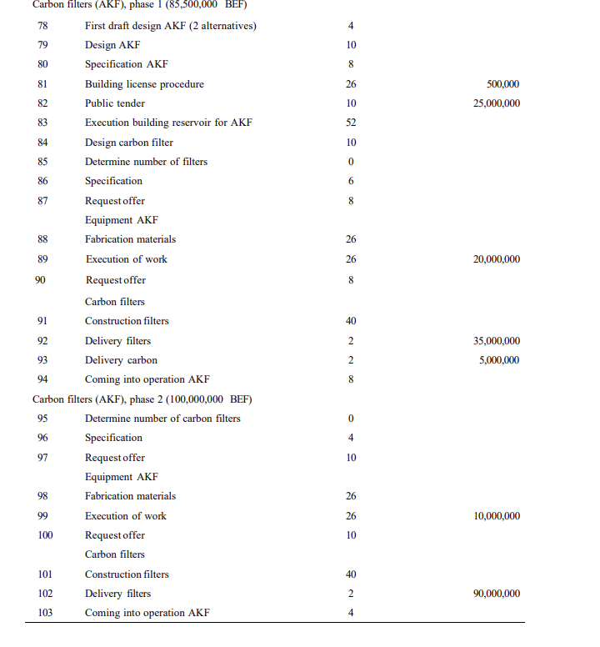
78 | First Draft Design | -1 | 1 | 0 | 0 | 0 | 0 | 0 | 0 | 0 | 0 | 0 | 0 | 0 | 0 | 0 | 0 | 0 | 0 | 0 | 0 | 0 | 0 | 0 | 0 | 0 | 0 | 0 | 4.0 | >= | 4
79 | Design | 0 | -1 | 1 | 0 | 0 | 0 | 0 | 0 | 0 | 0 | 0 | 0 | 0 | 0 | 0 | 0 | 0 | 0 | 0 | 0 | 0 | 0 | 0 | 0 | 0 | 0 | 0 | 10.0 | >= | 10
80 | Specification | 0 | 0 | -1 | 1 | 0 | 0 | 0 | 0 | 0 | 0 | 0 | 0 | 0 | 0 | 0 | 0 | 0 | 0 | 0 | 0 | 0 | 0 | 0 | 0 | 0 | 0 | 0 | 8.0 | >= | 8
81 | Building license procedure | 0 | 0 | -1 | 0 | 1 | 0 | 0 | 0 | 0 | 0 | 0 | 0 | 0 | 0 | 0 | 0 | 0 | 0 | 0 | 0 | 0 | 0 | 0 | 0 | 0 | 0 | 0 | 26.0 | >= | 26
82 | Public Tender | 0 | 0 | 0 | -1 | 0 | 1 | 0 | 0 | 0 | 0 | 0 | 0 | 0 | 0 | 0 | 0 | 0 | 0 | 0 | 0 | 0 | 0 | 0 | 0 | 0 | 0 | 0 | 10.0 | >= | 10
83 | Execution Building resorvior AKF | 0 | 0 | 0 | 0 | 0 | -1 | 1 | 0 | 0 | 0 | 0 | 0 | 0 | 0 | 0 | 0 | 0 | 0 | 0 | 0 | 0 | 0 | 0 | 0 | 0 | 0 | 0 | 60.0 | >= | 52
 |  | 0 | 0 | 0 | 0 | -1 | 0 | 1 | 0 | 0 | 0 | 0 | 0 | 0 | 0 | 0 | 0 | 0 | 0 | 0 | 0 | 0 | 0 | 0 | 0 | 0 | 0 | 0 | 52.0 | >= | 52
84 | Design Carbon Filter | 0 | -1 | 0 | 0 | 0 | 0 | 0 | 1 | 0 | 0 | 0 | 0 | 0 | 0 | 0 | 0 | 0 | 0 | 0 | 0 | 0 | 0 | 0 | 0 | 0 | 0 | 0 | 10.0 | >= | 10
85 | Determine the number of filters | 0 | 0 | 0 | 0 | 0 | 0 | 0 | -1 | 1 | 0 | 0 | 0 | 0 | 0 | 0 | 0 | 0 | 0 | 0 | 0 | 0 | 0 | 0 | 0 | 0 | 0 | 0 | 0.0 | >= | 0
86 | Specifications | 0 | 0 | 0 | 0 | 0 | 0 | 0 | 0 | -1 | 1 | 0 | 0 | 0 | 0 | 0 | 0 | 0 | 0 | 0 | 0 | 0 | 0 | 0 | 0 | 0 | 0 | 0 | 6.0 | >= | 6
87 | Request offer | 0 | 0 | 0 | 0 | 0 | 0 | 0 | 0 | 0 | -1 | 1 | 0 | 0 | 0 | 0 | 0 | 0 | 0 | 0 | 0 | 0 | 0 | 0 | 0 | 0 | 0 | 0 | 8.0 | >= | 8
88 | Fabrication materials | 0 | 0 | 0 | 0 | 0 | 0 | 0 | 0 | 0 | 0 | -1 | 1 | 0 | 0 | 0 | 0 | 0 | 0 | 0 | 0 | 0 | 0 | 0 | 0 | 0 | 0 | 0 | 26.0 | >= | 26
89 | Execution of materials | 0 | 0 | 0 | 0 | 0 | 0 | 0 | 0 | 0 | 0 | 0 | -1 | 1 | 0 | 0 | 0 | 0 | 0 | 0 | 0 | 0 | 0 | 0 | 0 | 0 | 0 | 0 | 64.0 | >= | 26
 |  | 0 | 0 | 0 | 0 | 0 | 0 | -1 | 0 | 0 | 0 | 0 | 0 | 1 | 0 | 0 | 0 | 0 | 0 | 0 | 0 | 0 | 0 | 0 | 0 | 0 | 0 | 0 | 26.0 | >= | 26
 |  | 0 | 0 | 0 | 0 | 0 | 0 | 0 | 0 | 0 | 0 | 0 | 0 | 1 | 0 | 0 | -1 | 0 | 0 | 0 | 0 | 0 | 0 | 0 | 0 | 0 | 0 | 0 | 54.0 | >= | 26
90 | Request offer | 0 | 0 | 0 | 0 | 0 | 0 | 0 | 0 | -1 | 0 | 0 | 0 | 0 | 1 | 0 | 0 | 0 | 0 | 0 | 0 | 0 | 0 | 0 | 0 | 0 | 0 | 0 | 8.0 | >= | 8
91 | Construction filter | 0 | 0 | 0 | 0 | 0 | 0 | 0 | 0 | 0 | 0 | 0 | 0 | 0 | -1 | 1 | 0 | 0 | 0 | 0 | 0 | 0 | 0 | 0 | 0 | 0 | 0 | 0 | 40.0 | >= | 40
92 | Delivery of filter | 0 | 0 | 0 | 0 | 0 | 0 | 0 | 0 | 0 | 0 | 0 | 0 | 0 | 0 | -1 | 1 | 0 | 0 | 0 | 0 | 0 | 0 | 0 | 0 | 0 | 0 | 0 | 2.0 | >= | 2
93 | Delivery Carbon | 0 | 0 | 0 | 0 | 0 | 0 | 0 | 0 | 0 | 0 | 0 | 0 | -1 | 0 | 0 | 0 | 1 | 0 | 0 | 0 | 0 | 0 | 0 | 0 | 0 | 0 | 0 | 2.0 | >= | 2
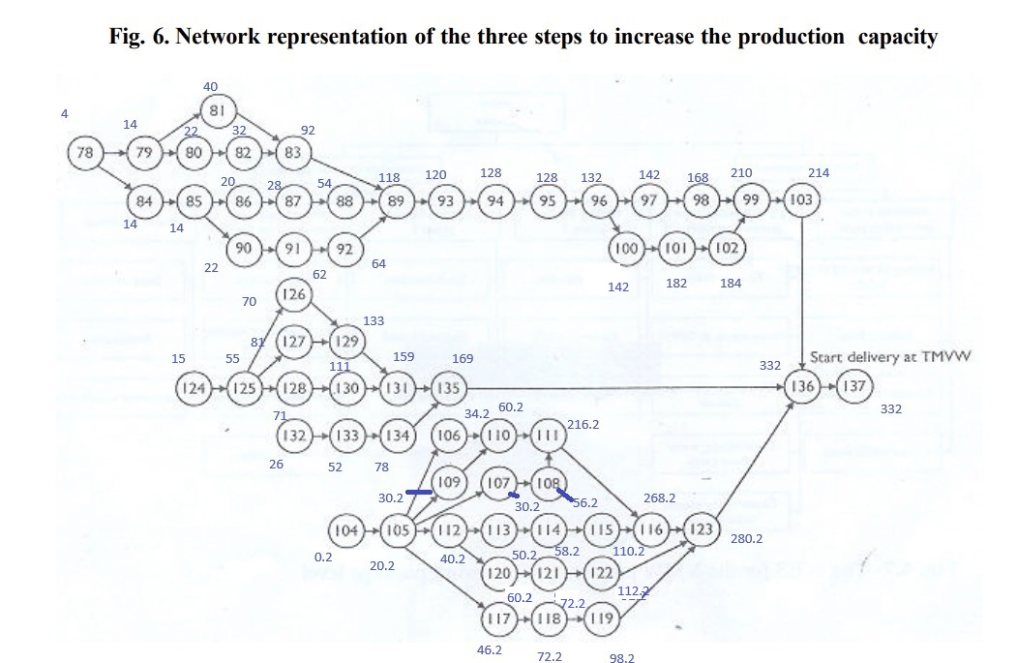
94 | Cominginto operation | 0 | 0 | 0 | 0 | 0 | 0 | 0 | 0 | 0 | 0 | 0 | 0 | 0 | 0 | 0 | 0 | -1 | 1 | 0 | 0 | 0 | 0 | 0 | 0 | 0 | 0 | 0 | 8.0 | >= | 8
95 | Determine the number of carbon filter | 0 | 0 | 0 | 0 | 0 | 0 | 0 | 0 | 0 | 0 | 0 | 0 | 0 | 0 | 0 | 0 | 0 | -1 | 1 | 0 | 0 | 0 | 0 | 0 | 0 | 0 | 0 | 0.0 | >= | 0
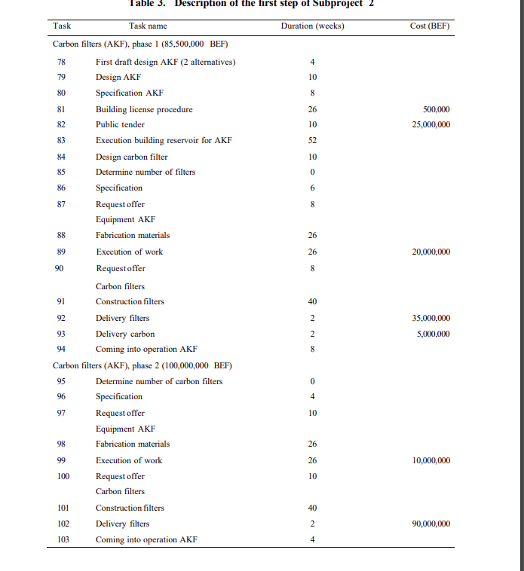
96 | Specification | 0 | 0 | 0 | 0 | 0 | 0 | 0 | 0 | 0 | 0 | 0 | 0 | 0 | 0 | 0 | 0 | 0 | 0 | -1 | 1 | 0 | 0 | 0 | 0 | 0 | 0 | 0 | 4.0 | >= | 4
97 | Request offer | 0 | 0 | 0 | 0 | 0 | 0 | 0 | 0 | 0 | 0 | 0 | 0 | 0 | 0 | 0 | 0 | 0 | 0 | 0 | -1 | 1 | 0 | 0 | 0 | 0 | 0 | 0 | 10.0 | >= | 10
98 | Fabrication of material | 0 | 0 | 0 | 0 | 0 | 0 | 0 | 0 | 0 | 0 | 0 | 0 | 0 | 0 | 0 | 0 | 0 | 0 | 0 | 0 | -1 | 1 | 0 | 0 | 0 | 0 | 0 | 26.0 | >= | 26
99 | Execution | 0 | 0 | 0 | 0 | 0 | 0 | 0 | 0 | 0 | 0 | 0 | 0 | 0 | 0 | 0 | 0 | 0 | 0 | 0 | 0 | 0 | -1 | 1 | 0 | 0 | 0 | 0 | 42.0 | >= | 26
 |  | 0 | 0 | 0 | 0 | 0 | 0 | 0 | 0 | 0 | 0 | 0 | 0 | 0 | 0 | 0 | 0 | 0 | 0 | 0 | 0 | 0 | 0 | 1 | 0 | 0 | -1 | 0 | 26.0 | >= | 26
100 | Request offer | 0 | 0 | 0 | 0 | 0 | 0 | 0 | 0 | 0 | 0 | 0 | 0 | 0 | 0 | 0 | 0 | 0 | 0 | 0 | -1 | 0 | 0 | 0 | 1 | 0 | 0 | 0 | 10.0 | >= | 10
101 | Construction Filters | 0 | 0 | 0 | 0 | 0 | 0 | 0 | 0 | 0 | 0 | 0 | 0 | 0 | 0 | 0 | 0 | 0 | 0 | 0 | 0 | 0 | 0 | 0 | -1 | 1 | 0 | 0 | 40.0 | >= | 40
102 | Delivery Filtrs | 0 | 0 | 0 | 0 | 0 | 0 | 0 | 0 | 0 | 0 | 0 | 0 | 0 | 0 | 0 | 0 | 0 | 0 | 0 | 0 | 0 | 0 | 0 | 0 | -1 | 1 | 0 | 2.0 | >= | 2
103 | Coming into operations | 0 | 0 | 0 | 0 | 0 | 0 | 0 | 0 | 0 | 0 | 0 | 0 | 0 | 0 | 0 | 0 | 0 | 0 | 0 | 0 | 0 | 0 | 0 | 0 | 0 | -1 | 1 | 30.0 | >= | 4
 |  | 0 | 0 | 0 | 0 | 0 | 0 | 0 | 0 | 0 | 0 | 0 | 0 | 0 | 0 | 0 | 0 | 0 | 0 | 0 | 0 | 0 | 0 | -1 | 0 | 0 | 0 | 1 | 4.0 | >= | 4

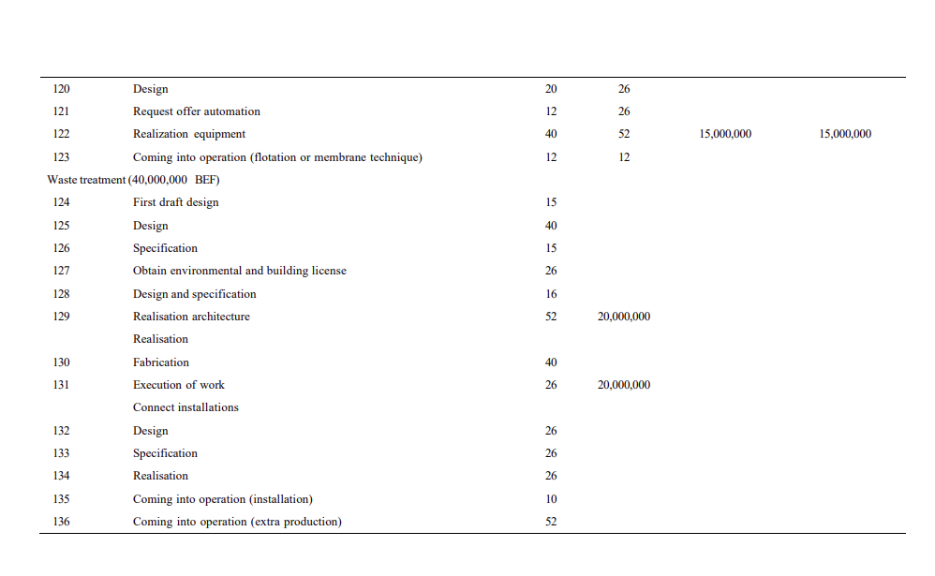
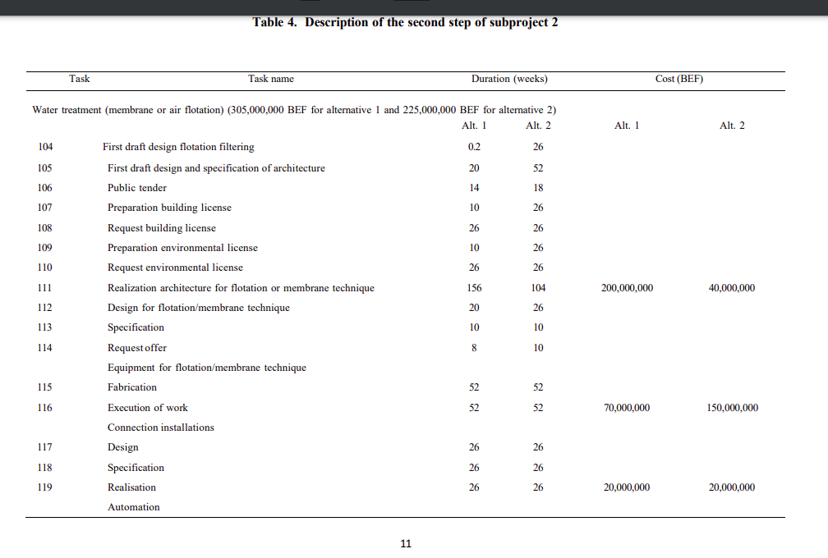
 |  | x0 | x104 | x105 | x106 | x107 | x108 | x109 | x110 | x111 | x112 | x113 | x114 | x115 | x116 | x117 | x118 | x119 | x120 | x121 | x122 | x123
 |  | 0 | 0.2 | 20.2 | 34.199999878 | 30.2 | 56.2 | 30.2 | 60.199999707 | 216.19999819 | 40.2 | 50.199999864 | 58.199999864 | 110.20000589 | 268.19999807 | 46.199998931 | 72.199999133 | 98.200000286 | 60.2 | 72.199999869 | 112.19999871 | 280.19999807

104 | First Draft design floating filtering | -1 | 1 | 0 | 0 | 0 | 0 | 0 | 0 | 0 | 0 | 0 | 0 | 0 | 0 | 0 | 0 | 0 | 0 | 0 | 0 | 0 | 0.2 | >= | 0.2
105 | First draft design and specification of architecture | 0 | -1 | 1 | 0 | 0 | 0 | 0 | 0 | 0 | 0 | 0 | 0 | 0 | 0 | 0 | 0 | 0 | 0 | 0 | 0 | 0 | 20.0 | >= | 20
106 | Public Tender | 0 | 0 | -1 | 1 | 0 | 0 | 0 | 0 | 0 | 0 | 0 | 0 | 0 | 0 | 0 | 0 | 0 | 0 | 0 | 0 | 0 | 14.0 | >= | 14
107 | Preparation building License | 0 | 0 | -1 | 0 | 1 | 0 | 0 | 0 | 0 | 0 | 0 | 0 | 0 | 0 | 0 | 0 | 0 | 0 | 0 | 0 | 0 | 10.0 | >= | 10
108 | Request Buildig license | 0 | 0 | 0 | 0 | -1 | 1 | 0 | 0 | 0 | 0 | 0 | 0 | 0 | 0 | 0 | 0 | 0 | 0 | 0 | 0 | 0 | 26.0 | >= | 26
109 | Preparation Enviroment License | 0 | 0 | -1 | 0 | 0 | 0 | 1 | 0 | 0 | 0 | 0 | 0 | 0 | 0 | 0 | 0 | 0 | 0 | 0 | 0 | 0 | 10.0 | >= | 10
110 | Request Enviroment License | 0 | 0 | 0 | -1 | 0 | 0 | 0 | 1 | 0 | 0 | 0 | 0 | 0 | 0 | 0 | 0 | 0 | 0 | 0 | 0 | 0 | 26.0 | >= | 26
 |  | 0 | 0 | 0 | 0 | 0 | 0 | -1 | 1 | 0 | 0 | 0 | 0 | 0 | 0 | 0 | 0 | 0 | 0 | 0 | 0 | 0 | 30.0 | >= | 26
111 | Realization architecture for floatation or membreane technique | 0 | 0 | 0 | 0 | 0 | 0 | 0 | -1 | 1 | 0 | 0 | 0 | 0 | 0 | 0 | 0 | 0 | 0 | 0 | 0 | 0 | 156.0 | >= | 156
 |  | 0 | 0 | 0 | 0 | 0 | -1 | 0 | 0 | 1 | 0 | 0 | 0 | 0 | 0 | 0 | 0 | 0 | 0 | 0 | 0 | 0 | 160.0 | >= | 156
112 | Design for floatation or membrane technique | 0 | 0 | -1 | 0 | 0 | 0 | 0 | 0 | 0 | 1 | 0 | 0 | 0 | 0 | 0 | 0 | 0 | 0 | 0 | 0 | 0 | 20.0 | >= | 20
113 | Specifcation | 0 | 0 | 0 | 0 | 0 | 0 | 0 | 0 | 0 | -1 | 1 | 0 | 0 | 0 | 0 | 0 | 0 | 0 | 0 | 0 | 0 | 10.0 | >= | 10
114 | Request offer | 0 | 0 | 0 | 0 | 0 | 0 | 0 | 0 | 0 | 0 | -1 | 1 | 0 | 0 | 0 | 0 | 0 | 0 | 0 | 0 | 0 | 8.0 | >= | 8
115 | Fabrication | 0 | 0 | 0 | 0 | 0 | 0 | 0 | 0 | 0 | 0 | 0 | -1 | 1 | 0 | 0 | 0 | 0 | 0 | 0 | 0 | 0 | 52.0 | >= | 52
116 | Execution of work | 0 | 0 | 0 | 0 | 0 | 0 | 0 | 0 | 0 | 0 | 0 | 0 | -1 | 1 | 0 | 0 | 0 | 0 | 0 | 0 | 0 | 158.0 | >= | 52
 |  | 0 | 0 | 0 | 0 | 0 | 0 | 0 | 0 | -1 | 0 | 0 | 0 | 0 | 1 | 0 | 0 | 0 | 0 | 0 | 0 | 0 | 52.0 | >= | 52
117 | Design | 0 | 0 | -1 | 0 | 0 | 0 | 0 | 0 | 0 | 0 | 0 | 0 | 0 | 0 | 1 | 0 | 0 | 0 | 0 | 0 | 0 | 26.0 | >= | 26
118 | Specification | 0 | 0 | 0 | 0 | 0 | 0 | 0 | 0 | 0 | 0 | 0 | 0 | 0 | 0 | -1 | 1 | 0 | 0 | 0 | 0 | 0 | 26.0 | >= | 26
119 | Realisation | 0 | 0 | 0 | 0 | 0 | 0 | 0 | 0 | 0 | 0 | 0 | 0 | 0 | 0 | 0 | -1 | 1 | 0 | 0 | 0 | 0 | 26.0 | >= | 26
120 | Design | 0 | 0 | 0 | 0 | 0 | 0 | 0 | 0 | 0 | -1 | 0 | 0 | 0 | 0 | 0 | 0 | 0 | 1 | 0 | 0 | 0 | 20.0 | >= | 20
121 | Request offer automation | 0 | 0 | 0 | 0 | 0 | 0 | 0 | 0 | 0 | 0 | 0 | 0 | 0 | 0 | 0 | 0 | 0 | -1 | 1 | 0 | 0 | 12.0 | >= | 12
122 | Realisation equipment | 0 | 0 | 0 | 0 | 0 | 0 | 0 | 0 | 0 | 0 | 0 | 0 | 0 | 0 | 0 | 0 | 0 | 0 | -1 | 1 | 0 | 40.0 | >= | 40
123 | Coming into operation | 0 | 0 | 0 | 0 | 0 | 0 | 0 | 0 | 0 | 0 | 0 | 0 | 0 | 0 | 0 | 0 | 0 | 0 | 0 | -1 | 1 | 168.0 | >= | 12
 |  | 0 | 0 | 0 | 0 | 0 | 0 | 0 | 0 | 0 | 0 | 0 | 0 | 0 | 0 | 0 | 0 | -1 | 0 | 0 | 0 | 1 | 182.0 | >= | 12
 |  | 0 | 0 | 0 | 0 | 0 | 0 | 0 | 0 | 0 | 0 | 0 | 0 | 0 | -1 | 0 | 0 | 0 | 0 | 0 | 0 | 1 | 12.0 | >= | 12

 |  | x0 | x124 | x125 | x126 | x127 | x128 | x129 | x130 | x131 | x132 | x133 | x134 | x135 | x136 | x137
 |  |  | 15 | 54.999999397 | 69.999999397 | 80.999993047 | 70.999999397 | 132.99999399 | 110.99999858 | 158.99999434 | 26 | 52 | 78 | 168.99999434 | 332.19999803 | 0
124 | First draft design | -1 | 1 | 0 | 0 | 0 | 0 | 0 | 0 | 0 | 0 | 0 | 0 | 0 | 0 | 0 | 15.0 | >= | 15
125 | Design | 0 | -1 | 1 | 0 | 0 | 0 | 0 | 0 | 0 | 0 | 0 | 0 | 0 | 0 | 0 | 40.0 | >= | 40
126 | Specification | 0 | 0 | -1 | 1 | 0 | 0 | 0 | 0 | 0 | 0 | 0 | 0 | 0 | 0 | 0 | 15.0 | >= | 15
127 | Obtain enviromental and building license | 0 | 0 | -1 | 0 | 1 | 0 | 0 | 0 | 0 | 0 | 0 | 0 | 0 | 0 | 0 | 26.0 | >= | 26
128 | Design and specification | 0 | 0 | -1 | 0 | 0 | 1 | 0 | 0 | 0 | 0 | 0 | 0 | 0 | 0 | 0 | 16.0 | >= | 16
129 | Realisation architecture | 0 | 0 | 0 | -1 | 0 | 0 | 1 | 0 | 0 | 0 | 0 | 0 | 0 | 0 | 0 | 63.0 | >= | 52
 |  | 0 | 0 | 0 | 0 | -1 | 0 | 1 | 0 | 0 | 0 | 0 | 0 | 0 | 0 | 0 | 52.0 | >= | 52
130 | Fabrication | 0 | 0 | 0 | 0 | 0 | -1 | 0 | 1 | 0 | 0 | 0 | 0 | 0 | 0 | 0 | 40.0 | >= | 40
131 | Execution of work | 0 | 0 | 0 | 0 | 0 | 0 | -1 | 0 | 1 | 0 | 0 | 0 | 0 | 0 | 0 | 26.0 | >= | 26
 |  | 0 | 0 | 0 | 0 | 0 | 0 | 0 | -1 | 1 | 0 | 0 | 0 | 0 | 0 | 0 | 48.0 | >= | 26
132 | Design | -1 | 0 | 0 | 0 | 0 | 0 | 0 | 0 | 0 | 1 | 0 | 0 | 0 | 0 | 0 | 26.0 | >= | 26
133 | Specification | 0 | 0 | 0 | 0 | 0 | 0 | 0 | 0 | 0 | -1 | 1 | 0 | 0 | 0 | 0 | 26.0 | >= | 26
134 | Realisation architecture | 0 | 0 | 0 | 0 | 0 | 0 | 0 | 0 | 0 | 0 | -1 | 1 | 0 | 0 | 0 | 26.0 | >= | 26
135 | Coming into operation | 0 | 0 | 0 | 0 | 0 | 0 | 0 | 0 | 0 | 0 | 0 | -1 | 1 | 0 | 0 | 91.0 | >= | 10
 |  | 0 | 0 | 0 | 0 | 0 | 0 | 0 | 0 | -1 | 0 | 0 | 0 | 1 | 0 | 0 | 10.0 | >= | 10
136 | Coming into operation (extra production) | 0 | 0 | 0 | 0 | 0 | 0 | 0 | 0 | 0 | 0 | 0 | 0 | -1 | 1 | 0 | 163.2 | >= | 52

136 | Coming into operation | x103 | x123 | x136
 |  | 214.00000912 | 280.19999807 | 332.19999803
 |  | -1 | 0 | 1 | 118.19998892 | >= | 52
 |  | 0 | -1 | 1 | 51.999999963 | >= | 52

ESS_Activity2.2
 |  | x0 | x78 | x79 | x80 | x81 | x82 | x83 | x84 | x85 | x86 | x87 | x88 | x89 | x90 | x91 | x92 | x93 | x94 | x95 | x96 | x97 | x98 | x99 | x100 | x101 | x102 | x103 | x104 | x105 | x106 | x107 | x108 | x109 | x110 | x111 | x112 | x113 | x114 | x115 | x116 | x117 | x118 | x119 | x120 | x121 | x122 | x123 | x124 | x125 | x126 | x127 | x128 | x129 | x130 | x131 | x132 | x133 | x134 | x135 | x136 | x137
 |  | 0 | 4 | 14 | 22 | 40 | 32 | 92 | 14 | 14 | 20 | 28 | 54 | 118 | 22 | 62 | 64 | 120 | 128 | 128 | 132 | 142 | 168 | 210 | 142 | 182 | 184 | 214 | 26 | 78 | 96 | 104 | 130 | 104 | 130 | 234 | 104 | 114 | 124 | 176 | 286 | 104 | 130 | 156 | 130 | 156 | 208 | 298 | 15 | 55 | 70 | 81 | 71 | 133 | 111 | 159 | 26 | 52 | 78 | 169 | 350 |  | 6608

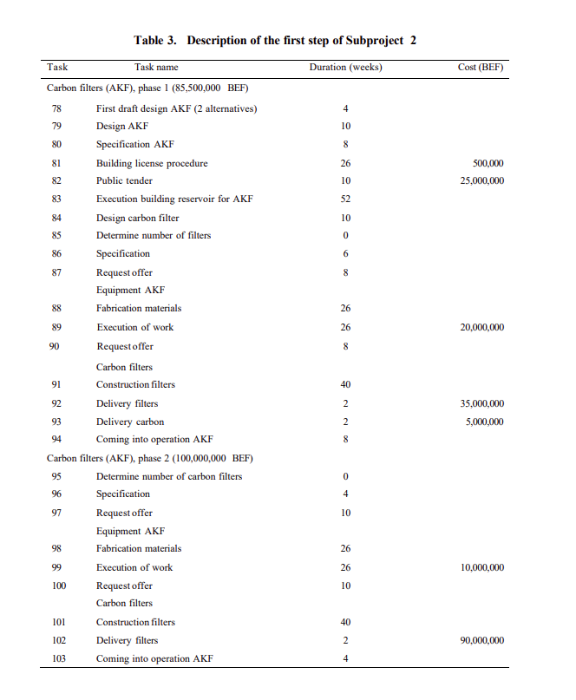
 |  |  |  |  |  |  |  |  |  |  |  |  |  |  |  |  |  |  |  |  |  |  |  |  |  |  |  |  | Sumproduct
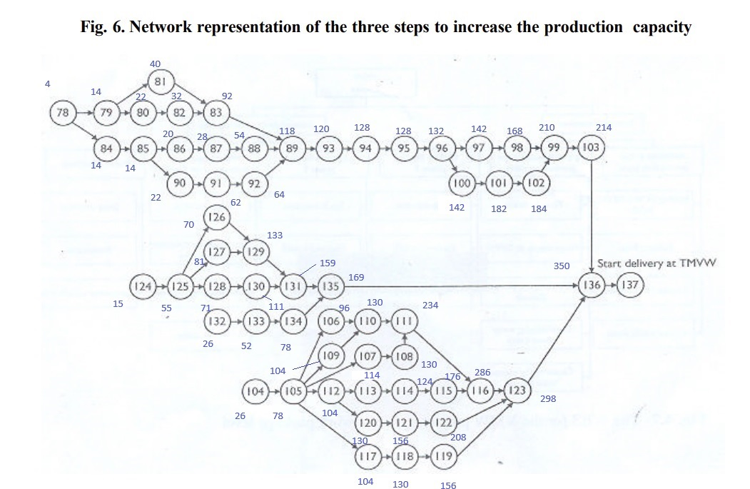
78 | First Draft Design | -1 | 1 | 0 | 0 | 0 | 0 | 0 | 0 | 0 | 0 | 0 | 0 | 0 | 0 | 0 | 0 | 0 | 0 | 0 | 0 | 0 | 0 | 0 | 0 | 0 | 0 | 0 | 4 | >= | 4
79 | Design | 0 | -1 | 1 | 0 | 0 | 0 | 0 | 0 | 0 | 0 | 0 | 0 | 0 | 0 | 0 | 0 | 0 | 0 | 0 | 0 | 0 | 0 | 0 | 0 | 0 | 0 | 0 | 10 | >= | 10
80 | Specification | 0 | 0 | -1 | 1 | 0 | 0 | 0 | 0 | 0 | 0 | 0 | 0 | 0 | 0 | 0 | 0 | 0 | 0 | 0 | 0 | 0 | 0 | 0 | 0 | 0 | 0 | 0 | 8 | >= | 8
81 | Building license procedure | 0 | 0 | -1 | 0 | 1 | 0 | 0 | 0 | 0 | 0 | 0 | 0 | 0 | 0 | 0 | 0 | 0 | 0 | 0 | 0 | 0 | 0 | 0 | 0 | 0 | 0 | 0 | 26 | >= | 26
82 | Public Tender | 0 | 0 | 0 | -1 | 0 | 1 | 0 | 0 | 0 | 0 | 0 | 0 | 0 | 0 | 0 | 0 | 0 | 0 | 0 | 0 | 0 | 0 | 0 | 0 | 0 | 0 | 0 | 10 | >= | 10
83 | Execution Building resorvior AKF | 0 | 0 | 0 | 0 | 0 | -1 | 1 | 0 | 0 | 0 | 0 | 0 | 0 | 0 | 0 | 0 | 0 | 0 | 0 | 0 | 0 | 0 | 0 | 0 | 0 | 0 | 0 | 60 | >= | 52
 |  | 0 | 0 | 0 | 0 | -1 | 0 | 1 | 0 | 0 | 0 | 0 | 0 | 0 | 0 | 0 | 0 | 0 | 0 | 0 | 0 | 0 | 0 | 0 | 0 | 0 | 0 | 0 | 52 | >= | 52
84 | Design Carbon Filter | 0 | -1 | 0 | 0 | 0 | 0 | 0 | 1 | 0 | 0 | 0 | 0 | 0 | 0 | 0 | 0 | 0 | 0 | 0 | 0 | 0 | 0 | 0 | 0 | 0 | 0 | 0 | 10 | >= | 10
85 | Determine the number of filters | 0 | 0 | 0 | 0 | 0 | 0 | 0 | -1 | 1 | 0 | 0 | 0 | 0 | 0 | 0 | 0 | 0 | 0 | 0 | 0 | 0 | 0 | 0 | 0 | 0 | 0 | 0 | 0 | >= | 0
86 | Specifications | 0 | 0 | 0 | 0 | 0 | 0 | 0 | 0 | -1 | 1 | 0 | 0 | 0 | 0 | 0 | 0 | 0 | 0 | 0 | 0 | 0 | 0 | 0 | 0 | 0 | 0 | 0 | 6 | >= | 6
87 | Request offer | 0 | 0 | 0 | 0 | 0 | 0 | 0 | 0 | 0 | -1 | 1 | 0 | 0 | 0 | 0 | 0 | 0 | 0 | 0 | 0 | 0 | 0 | 0 | 0 | 0 | 0 | 0 | 8 | >= | 8
88 | Fabrication materials | 0 | 0 | 0 | 0 | 0 | 0 | 0 | 0 | 0 | 0 | -1 | 1 | 0 | 0 | 0 | 0 | 0 | 0 | 0 | 0 | 0 | 0 | 0 | 0 | 0 | 0 | 0 | 26 | >= | 26
89 | Execution of materials | 0 | 0 | 0 | 0 | 0 | 0 | 0 | 0 | 0 | 0 | 0 | -1 | 1 | 0 | 0 | 0 | 0 | 0 | 0 | 0 | 0 | 0 | 0 | 0 | 0 | 0 | 0 | 64 | >= | 26
 |  | 0 | 0 | 0 | 0 | 0 | 0 | -1 | 0 | 0 | 0 | 0 | 0 | 1 | 0 | 0 | 0 | 0 | 0 | 0 | 0 | 0 | 0 | 0 | 0 | 0 | 0 | 0 | 26 | >= | 26
 |  | 0 | 0 | 0 | 0 | 0 | 0 | 0 | 0 | 0 | 0 | 0 | 0 | 1 | 0 | 0 | -1 | 0 | 0 | 0 | 0 | 0 | 0 | 0 | 0 | 0 | 0 | 0 | 54 | >= | 26
90 | Request offer | 0 | 0 | 0 | 0 | 0 | 0 | 0 | 0 | -1 | 0 | 0 | 0 | 0 | 1 | 0 | 0 | 0 | 0 | 0 | 0 | 0 | 0 | 0 | 0 | 0 | 0 | 0 | 8 | >= | 8
91 | Construction filter | 0 | 0 | 0 | 0 | 0 | 0 | 0 | 0 | 0 | 0 | 0 | 0 | 0 | -1 | 1 | 0 | 0 | 0 | 0 | 0 | 0 | 0 | 0 | 0 | 0 | 0 | 0 | 40 | >= | 40
92 | Delivery of filter | 0 | 0 | 0 | 0 | 0 | 0 | 0 | 0 | 0 | 0 | 0 | 0 | 0 | 0 | -1 | 1 | 0 | 0 | 0 | 0 | 0 | 0 | 0 | 0 | 0 | 0 | 0 | 2 | >= | 2
93 | Delivery Carbon | 0 | 0 | 0 | 0 | 0 | 0 | 0 | 0 | 0 | 0 | 0 | 0 | -1 | 0 | 0 | 0 | 1 | 0 | 0 | 0 | 0 | 0 | 0 | 0 | 0 | 0 | 0 | 2 | >= | 2
94 | Cominginto operation | 0 | 0 | 0 | 0 | 0 | 0 | 0 | 0 | 0 | 0 | 0 | 0 | 0 | 0 | 0 | 0 | -1 | 1 | 0 | 0 | 0 | 0 | 0 | 0 | 0 | 0 | 0 | 8 | >= | 8
95 | Determine the number of carbon filter | 0 | 0 | 0 | 0 | 0 | 0 | 0 | 0 | 0 | 0 | 0 | 0 | 0 | 0 | 0 | 0 | 0 | -1 | 1 | 0 | 0 | 0 | 0 | 0 | 0 | 0 | 0 | 0 | >= | 0
96 | Specification | 0 | 0 | 0 | 0 | 0 | 0 | 0 | 0 | 0 | 0 | 0 | 0 | 0 | 0 | 0 | 0 | 0 | 0 | -1 | 1 | 0 | 0 | 0 | 0 | 0 | 0 | 0 | 4 | >= | 4
97 | Request offer | 0 | 0 | 0 | 0 | 0 | 0 | 0 | 0 | 0 | 0 | 0 | 0 | 0 | 0 | 0 | 0 | 0 | 0 | 0 | -1 | 1 | 0 | 0 | 0 | 0 | 0 | 0 | 10 | >= | 10
98 | Fabrication of material | 0 | 0 | 0 | 0 | 0 | 0 | 0 | 0 | 0 | 0 | 0 | 0 | 0 | 0 | 0 | 0 | 0 | 0 | 0 | 0 | -1 | 1 | 0 | 0 | 0 | 0 | 0 | 26 | >= | 26
99 | Execution | 0 | 0 | 0 | 0 | 0 | 0 | 0 | 0 | 0 | 0 | 0 | 0 | 0 | 0 | 0 | 0 | 0 | 0 | 0 | 0 | 0 | -1 | 1 | 0 | 0 | 0 | 0 | 42 | >= | 26
 |  | 0 | 0 | 0 | 0 | 0 | 0 | 0 | 0 | 0 | 0 | 0 | 0 | 0 | 0 | 0 | 0 | 0 | 0 | 0 | 0 | 0 | 0 | 1 | 0 | 0 | -1 | 0 | 26 | >= | 26
100 | Request offer | 0 | 0 | 0 | 0 | 0 | 0 | 0 | 0 | 0 | 0 | 0 | 0 | 0 | 0 | 0 | 0 | 0 | 0 | 0 | -1 | 0 | 0 | 0 | 1 | 0 | 0 | 0 | 10 | >= | 10
101 | Construction Filters | 0 | 0 | 0 | 0 | 0 | 0 | 0 | 0 | 0 | 0 | 0 | 0 | 0 | 0 | 0 | 0 | 0 | 0 | 0 | 0 | 0 | 0 | 0 | -1 | 1 | 0 | 0 | 40 | >= | 40
102 | Delivery Filtrs | 0 | 0 | 0 | 0 | 0 | 0 | 0 | 0 | 0 | 0 | 0 | 0 | 0 | 0 | 0 | 0 | 0 | 0 | 0 | 0 | 0 | 0 | 0 | 0 | -1 | 1 | 0 | 2 | >= | 2
103 | Coming into operations | 0 | 0 | 0 | 0 | 0 | 0 | 0 | 0 | 0 | 0 | 0 | 0 | 0 | 0 | 0 | 0 | 0 | 0 | 0 | 0 | 0 | 0 | -1 | 0 | 0 | 0 | 1 | 4 | >= | 4

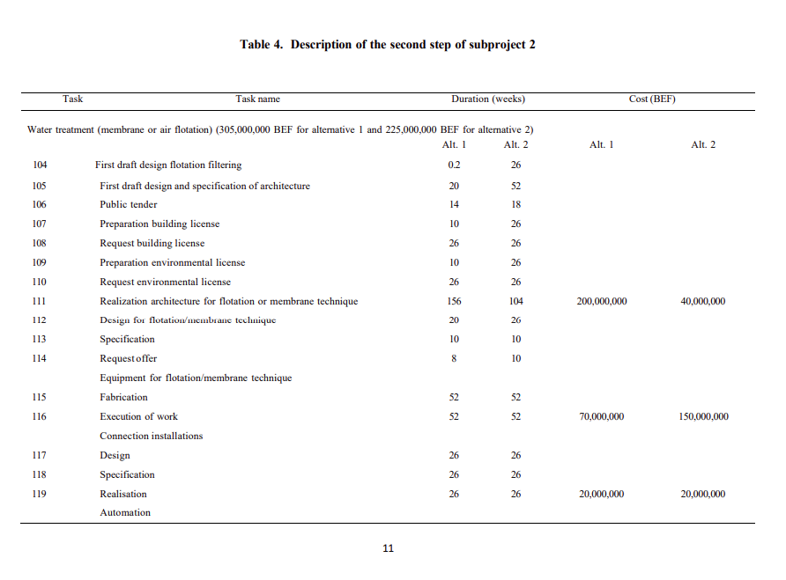
 |  | x0 | x104 | x105 | x106 | x107 | x108 | x109 | x110 | x111 | x112 | x113 | x114 | x115 | x116 | x117 | x118 | x119 | x120 | x121 | x122 | x123
 |  | 0 | 26 | 78 | 96 | 104 | 130 | 104 | 130 | 234 | 104 | 114 | 124 | 176 | 286 | 104 | 130 | 156 | 130 | 156 | 208 | 298

104 | First Draft design floating filtering | -1 | 1 | 0 | 0 | 0 | 0 | 0 | 0 | 0 | 0 | 0 | 0 | 0 | 0 | 0 | 0 | 0 | 0 | 0 | 0 | 0 | 26 | >= | 26
105 | First draft design and specification of architecture | 0 | -1 | 1 | 0 | 0 | 0 | 0 | 0 | 0 | 0 | 0 | 0 | 0 | 0 | 0 | 0 | 0 | 0 | 0 | 0 | 0 | 52 | >= | 52
106 | Public Tender | 0 | 0 | -1 | 1 | 0 | 0 | 0 | 0 | 0 | 0 | 0 | 0 | 0 | 0 | 0 | 0 | 0 | 0 | 0 | 0 | 0 | 18 | >= | 18
107 | Preparation building License | 0 | 0 | -1 | 0 | 1 | 0 | 0 | 0 | 0 | 0 | 0 | 0 | 0 | 0 | 0 | 0 | 0 | 0 | 0 | 0 | 0 | 26 | >= | 26
108 | Request Buildig license | 0 | 0 | 0 | 0 | -1 | 1 | 0 | 0 | 0 | 0 | 0 | 0 | 0 | 0 | 0 | 0 | 0 | 0 | 0 | 0 | 0 | 26 | >= | 26
109 | Preparation Enviroment License | 0 | 0 | -1 | 0 | 0 | 0 | 1 | 0 | 0 | 0 | 0 | 0 | 0 | 0 | 0 | 0 | 0 | 0 | 0 | 0 | 0 | 26 | >= | 26
110 | Request Enviroment License | 0 | 0 | 0 | -1 | 0 | 0 | 0 | 1 | 0 | 0 | 0 | 0 | 0 | 0 | 0 | 0 | 0 | 0 | 0 | 0 | 0 | 34 | >= | 26
 |  | 0 | 0 | 0 | 0 | 0 | 0 | -1 | 1 | 0 | 0 | 0 | 0 | 0 | 0 | 0 | 0 | 0 | 0 | 0 | 0 | 0 | 26 | >= | 26
111 | Realization architecture for floatation or membreane technique | 0 | 0 | 0 | 0 | 0 | 0 | 0 | -1 | 1 | 0 | 0 | 0 | 0 | 0 | 0 | 0 | 0 | 0 | 0 | 0 | 0 | 104 | >= | 104
 |  | 0 | 0 | 0 | 0 | 0 | -1 | 0 | 0 | 1 | 0 | 0 | 0 | 0 | 0 | 0 | 0 | 0 | 0 | 0 | 0 | 0 | 104 | >= | 104
112 | Design for floatation or membrane technique | 0 | 0 | -1 | 0 | 0 | 0 | 0 | 0 | 0 | 1 | 0 | 0 | 0 | 0 | 0 | 0 | 0 | 0 | 0 | 0 | 0 | 26 | >= | 26
113 | Specifcation | 0 | 0 | 0 | 0 | 0 | 0 | 0 | 0 | 0 | -1 | 1 | 0 | 0 | 0 | 0 | 0 | 0 | 0 | 0 | 0 | 0 | 10 | >= | 10
114 | Request offer | 0 | 0 | 0 | 0 | 0 | 0 | 0 | 0 | 0 | 0 | -1 | 1 | 0 | 0 | 0 | 0 | 0 | 0 | 0 | 0 | 0 | 10 | >= | 10
115 | Fabrication | 0 | 0 | 0 | 0 | 0 | 0 | 0 | 0 | 0 | 0 | 0 | -1 | 1 | 0 | 0 | 0 | 0 | 0 | 0 | 0 | 0 | 52 | >= | 52
116 | Execution of work | 0 | 0 | 0 | 0 | 0 | 0 | 0 | 0 | 0 | 0 | 0 | 0 | -1 | 1 | 0 | 0 | 0 | 0 | 0 | 0 | 0 | 110 | >= | 52
 |  | 0 | 0 | 0 | 0 | 0 | 0 | 0 | 0 | -1 | 0 | 0 | 0 | 0 | 1 | 0 | 0 | 0 | 0 | 0 | 0 | 0 | 52 | >= | 52
117 | Design | 0 | 0 | -1 | 0 | 0 | 0 | 0 | 0 | 0 | 0 | 0 | 0 | 0 | 0 | 1 | 0 | 0 | 0 | 0 | 0 | 0 | 26 | >= | 26
118 | Specification | 0 | 0 | 0 | 0 | 0 | 0 | 0 | 0 | 0 | 0 | 0 | 0 | 0 | 0 | -1 | 1 | 0 | 0 | 0 | 0 | 0 | 26 | >= | 26
119 | Realisation | 0 | 0 | 0 | 0 | 0 | 0 | 0 | 0 | 0 | 0 | 0 | 0 | 0 | 0 | 0 | -1 | 1 | 0 | 0 | 0 | 0 | 26 | >= | 26
120 | Design | 0 | 0 | 0 | 0 | 0 | 0 | 0 | 0 | 0 | -1 | 0 | 0 | 0 | 0 | 0 | 0 | 0 | 1 | 0 | 0 | 0 | 26 | >= | 26
121 | Request offer automation | 0 | 0 | 0 | 0 | 0 | 0 | 0 | 0 | 0 | 0 | 0 | 0 | 0 | 0 | 0 | 0 | 0 | -1 | 1 | 0 | 0 | 26 | >= | 26
122 | Realisation equipment | 0 | 0 | 0 | 0 | 0 | 0 | 0 | 0 | 0 | 0 | 0 | 0 | 0 | 0 | 0 | 0 | 0 | 0 | -1 | 1 | 0 | 52 | >= | 52
123 | Coming into operation | 0 | 0 | 0 | 0 | 0 | 0 | 0 | 0 | 0 | 0 | 0 | 0 | 0 | 0 | 0 | 0 | 0 | 0 | 0 | -1 | 1 | 90 | >= | 12
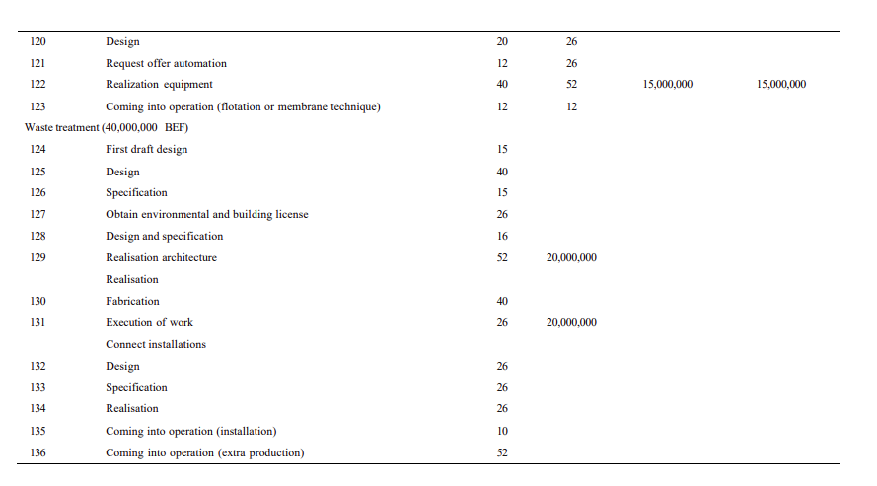
 |  | 0 | 0 | 0 | 0 | 0 | 0 | 0 | 0 | 0 | 0 | 0 | 0 | 0 | 0 | 0 | 0 | -1 | 0 | 0 | 0 | 1 | 142 | >= | 12
 |  | 0 | 0 | 0 | 0 | 0 | 0 | 0 | 0 | 0 | 0 | 0 | 0 | 0 | -1 | 0 | 0 | 0 | 0 | 0 | 0 | 1 | 12 | >= | 12

 |  | x0 | x124 | x125 | x126 | x127 | x128 | x129 | x130 | x131 | x132 | x133 | x134 | x135 | x136 | x137
 |  |  | 15 | 55 | 70 | 81 | 71 | 133 | 111 | 159 | 26 | 52 | 78 | 169 | 350 | 0
124 | First draft design | -1 | 1 | 0 | 0 | 0 | 0 | 0 | 0 | 0 | 0 | 0 | 0 | 0 | 0 | 0 | 15 | >= | 15
125 | Design | 0 | -1 | 1 | 0 | 0 | 0 | 0 | 0 | 0 | 0 | 0 | 0 | 0 | 0 | 0 | 40 | >= | 40
126 | Specification | 0 | 0 | -1 | 1 | 0 | 0 | 0 | 0 | 0 | 0 | 0 | 0 | 0 | 0 | 0 | 15 | >= | 15
127 | Obtain enviromental and building license | 0 | 0 | -1 | 0 | 1 | 0 | 0 | 0 | 0 | 0 | 0 | 0 | 0 | 0 | 0 | 26 | >= | 26
128 | Design and specification | 0 | 0 | -1 | 0 | 0 | 1 | 0 | 0 | 0 | 0 | 0 | 0 | 0 | 0 | 0 | 16 | >= | 16
129 | Realisation architecture | 0 | 0 | 0 | -1 | 0 | 0 | 1 | 0 | 0 | 0 | 0 | 0 | 0 | 0 | 0 | 63 | >= | 52
 |  | 0 | 0 | 0 | 0 | -1 | 0 | 1 | 0 | 0 | 0 | 0 | 0 | 0 | 0 | 0 | 52 | >= | 52
130 | Fabrication | 0 | 0 | 0 | 0 | 0 | -1 | 0 | 1 | 0 | 0 | 0 | 0 | 0 | 0 | 0 | 40 | >= | 40
131 | Execution of work | 0 | 0 | 0 | 0 | 0 | 0 | -1 | 0 | 1 | 0 | 0 | 0 | 0 | 0 | 0 | 26 | >= | 26
 |  | 0 | 0 | 0 | 0 | 0 | 0 | 0 | -1 | 1 | 0 | 0 | 0 | 0 | 0 | 0 | 48 | >= | 26
132 | Design | -1 | 0 | 0 | 0 | 0 | 0 | 0 | 0 | 0 | 1 | 0 | 0 | 0 | 0 | 0 | 26 | >= | 26
133 | Specification | 0 | 0 | 0 | 0 | 0 | 0 | 0 | 0 | 0 | -1 | 1 | 0 | 0 | 0 | 0 | 26 | >= | 26
134 | Realisation architecture | 0 | 0 | 0 | 0 | 0 | 0 | 0 | 0 | 0 | 0 | -1 | 1 | 0 | 0 | 0 | 26 | >= | 26
135 | Coming into operation | 0 | 0 | 0 | 0 | 0 | 0 | 0 | 0 | 0 | 0 | 0 | -1 | 1 | 0 | 0 | 91 | >= | 10
 |  | 0 | 0 | 0 | 0 | 0 | 0 | 0 | 0 | -1 | 0 | 0 | 0 | 1 | 0 | 0 | 10 | >= | 10
136 | Coming into operation (extra production) | 0 | 0 | 0 | 0 | 0 | 0 | 0 | 0 | 0 | 0 | 0 | 0 | -1 | 1 | 0 | 181 | >= | 52

136 | Coming into operation | x103 | x123 | x136
 |  | 214 | 298 | 350
 |  | -1 | 0 | 1 | 136 | >= | 52
 |  | 0 | -1 | 1 | 52 | >= | 52

LFT_Activity1.1
 |  | x0 | x1 | x2 | x3 | x4 | x5 | x6 | x7 | x8 | x9 | x10 | x11 | x12 | x13 | x14 | x15 | x16 | x17 | x18 | x19 | x20 | x21 | x22 | x23 | x24 | x25 | x26 | x27 | x28 | x29 | x30 | x31 | x32 | x33 | x34 | x35 | x36 | x37 | x38 | x39 | x40 | x41 | x42 | x43 | x44 | x45 | x46 | x47 | x48 | x49 | x50 | x51 | x52 | x53 | x54 | x55 | x56 | x57 | x58 | x59 | x60 | x61 | x62 | x63 | x64 | x65 | x66 | x67 | x68 | x69 | x70 | x71 | x72 | x73 | x74 | x75 | x76 | x77 | Total
 | Latest Finish Time | 0 | 120 | 120 | 120 | 250 | 176 | 184 | 200 | 250 | 290 | 176 | 222 | 230 | 238 | 278 | 290 | 342 | 184 | 194 | 204 | 249 | 275 | 290 | 238 | 264 | 290 | 300 | 143 | 294 | 346 | 350 | 288 | 314 | 314 | 314 | 340 | 350 | 350 | 352 | 286 | 333 | 287 | 295 | 303 | 333 | 348 | 352 | 151 | 166 | 171 | 197 | 179 | 197 | 196 | 197 | 272 | 224 | 234 | 242 | 272 | 292 | 300 | 188 | 203 | 208 | 234 | 216 | 234 | 233 | 234 | 286 | 238 | 248 | 256 | 286 | 296 | 300 | 352 | 19568
 | Duration |  | 1.00 | 1.00 | 7.00 | 130.00 | 1.00 | 8.00 | 16.00 | 50.00 | 40.00 | 4.00 | 10.00 | 8.00 | 8.00 | 40.00 | 12.00 | 52.00 | 10.00 | 10.00 | 10.00 | 45.00 | 26.00 | 15.00 | 26.00 | 26.00 | 26.00 | 10.00 | 26.00 | 70.00 | 52.00 | 4.00 | 4.00 | 26.00 | 26.00 | 12.00 | 26.00 | 10.00 | 2.00 | 2.00 | 4.00 | 10.00 | 1.00 | 8.00 | 8.00 | 30.00 | 15.00 | 4.00 | 8.00 | 15.00 | 5.00 | 26.00 | 10.00 | 18.00 | 5.00 | 1.00 | 75.00 | 4.00 | 10.00 | 8.00 | 30.00 | 20.00 | 8.00 | 8.00 | 15.00 | 5.00 | 26.00 | 10.00 | 18.00 | 5.00 | 1.00 | 52.00 | 4.00 | 10.00 | 8.00 | 30.00 | 10.00 | 4.00
 | Latest Start Time |  | 119.00 | 119.00 | 113.00 | 120.00 | 175.00 | 176.00 | 184.00 | 200.00 | 250.00 | 172.00 | 212.00 | 222.00 | 230.00 | 238.00 | 278.00 | 290.00 | 174.00 | 184.00 | 194.00 | 204.00 | 249.00 | 275.00 | 212.00 | 238.00 | 264.00 | 290.00 | 117.00 | 224.00 | 294.00 | 346.00 | 284.00 | 288.00 | 288.00 | 302.00 | 314.00 | 340.00 | 348.00 | 350.00 | 282.00 | 323.00 | 286.00 | 287.00 | 295.00 | 303.00 | 333.00 | 348.00 | 143.00 | 151.00 | 166.00 | 171.00 | 169.00 | 179.00 | 191.00 | 196.00 | 197.00 | 220.00 | 224.00 | 234.00 | 242.00 | 272.00 | 292.00 | 180.00 | 188.00 | 203.00 | 208.00 | 206.00 | 216.00 | 228.00 | 233.00 | 234.00 | 234.00 | 238.00 | 248.00 | 256.00 | 286.00 | 296.00
 |  |  | 119 | 119 | 113 | 120 | 175 | 176 | 184 | 200 | 250 | 172 | 212 | 222 | 230 | 238 | 278 | 290 | 174 | 184 | 194 | 204 | 249 | 275 | 212 | 238 | 264 | 290 | 117 | 224 | 294 | 346 | 284 | 288 | 288 | 302 | 314 | 340 | 348 | 350 | 282 | 323 | 286 | 287 | 295 | 303 | 333 | 348 | 143 | 151 | 166 | 171 | 169 | 179 | 191 | 196 | 197 | 220 | 224 | 234 | 242 | 272 | 292 | 180 | 188 | 203 | 208 | 206 | 216 | 228 | 233 | 234 | 234 | 238 | 248 | 256 | 286 | 296

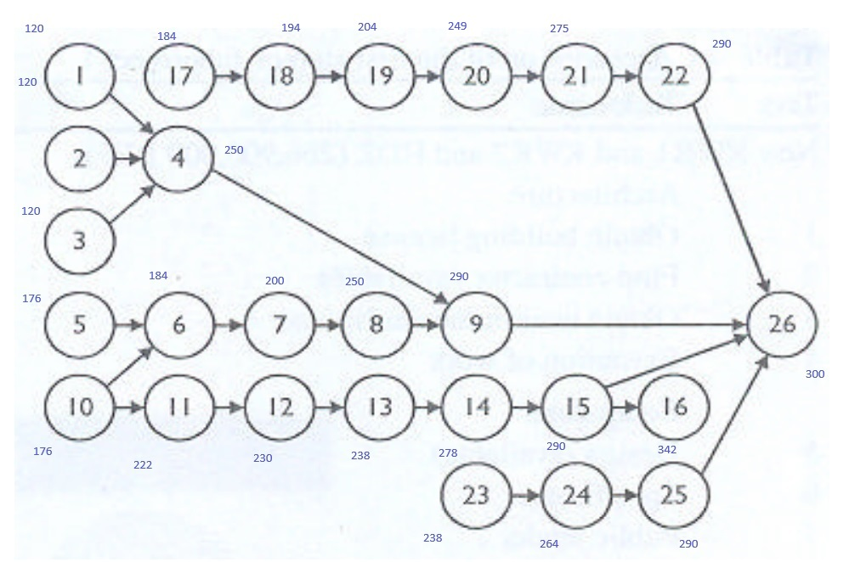
1 | Obtain License | -1 | 1 | 0 | 0 | 0 | 0 | 0 | 0 | 0 | 0 | 0 | 0 | 0 | 0 | 0 | 0 | 0 | 0 | 0 | 0 | 0 | 0 | 0 | 0 | 0 | 0 | 0 | 120 | >= | 1
2 | Find Contractor | -1 | 0 | 1 | 0 | 0 | 0 | 0 | 0 | 0 | 0 | 0 | 0 | 0 | 0 | 0 | 0 | 0 | 0 | 0 | 0 | 0 | 0 | 0 | 0 | 0 | 0 | 0 | 120 | >= | 1
3 | Obtain Enviroment Clearance | -1 | 0 | 0 | 1 | 0 | 0 | 0 | 0 | 0 | 0 | 0 | 0 | 0 | 0 | 0 | 0 | 0 | 0 | 0 | 0 | 0 | 0 | 0 | 0 | 0 | 0 | 0 | 120 | >= | 7
4 | Execution of work Equipment | 0 | -1 | 0 | 0 | 1 | 0 | 0 | 0 | 0 | 0 | 0 | 0 | 0 | 0 | 0 | 0 | 0 | 0 | 0 | 0 | 0 | 0 | 0 | 0 | 0 | 0 | 0 | 130 | >= | 130
 |  | 0 | 0 | -1 | 0 | 1 | 0 | 0 | 0 | 0 | 0 | 0 | 0 | 0 | 0 | 0 | 0 | 0 | 0 | 0 | 0 | 0 | 0 | 0 | 0 | 0 | 0 | 0 | 130 | >= | 130
 |  | 0 | 0 | 0 | -1 | 1 | 0 | 0 | 0 | 0 | 0 | 0 | 0 | 0 | 0 | 0 | 0 | 0 | 0 | 0 | 0 | 0 | 0 | 0 | 0 | 0 | 0 | 0 | 130 | >= | 130
5 | Design(available) | -1 | 0 | 0 | 0 | 0 | 1 | 0 | 0 | 0 | 0 | 0 | 0 | 0 | 0 | 0 | 0 | 0 | 0 | 0 | 0 | 0 | 0 | 0 | 0 | 0 | 0 | 0 | 176 | >= | 1
6 | Specification | 0 | 0 | 0 | 0 | 0 | 0 | 1 | 0 | 0 | 0 | -1 | 0 | 0 | 0 | 0 | 0 | 0 | 0 | 0 | 0 | 0 | 0 | 0 | 0 | 0 | 0 | 0 | 8 | >= | 8
 |  | 0 | 0 | 0 | 0 | 0 | -1 | 1 | 0 | 0 | 0 | 0 | 0 | 0 | 0 | 0 | 0 | 0 | 0 | 0 | 0 | 0 | 0 | 0 | 0 | 0 | 0 | 0 | 8 | >= | 8
7 | Public Tender Equipment | 0 | 0 | 0 | 0 | 0 | 0 | -1 | 1 | 0 | 0 | 0 | 0 | 0 | 0 | 0 | 0 | 0 | 0 | 0 | 0 | 0 | 0 | 0 | 0 | 0 | 0 | 0 | 16 | >= | 16
8 | Fabrication | 0 | 0 | 0 | 0 | 0 | 0 | 0 | -1 | 1 | 0 | 0 | 0 | 0 | 0 | 0 | 0 | 0 | 0 | 0 | 0 | 0 | 0 | 0 | 0 | 0 | 0 | 0 | 50 | >= | 50
9 | Execution of work | 0 | 0 | 0 | 0 | 0 | 0 | 0 | 0 | -1 | 1 | 0 | 0 | 0 | 0 | 0 | 0 | 0 | 0 | 0 | 0 | 0 | 0 | 0 | 0 | 0 | 0 | 0 | 40 | >= | 40
 |  | 0 | 0 | 0 | 0 | -1 | 0 | 0 | 0 | 0 | 1 | 0 | 0 | 0 | 0 | 0 | 0 | 0 | 0 | 0 | 0 | 0 | 0 | 0 | 0 | 0 | 0 | 0 | 40 | >= | 40
10 | Negotiation with power dsistribution company | -1 | 0 | 0 | 0 | 0 | 0 | 0 | 0 | 0 | 0 | 1 | 0 | 0 | 0 | 0 | 0 | 0 | 0 | 0 | 0 | 0 | 0 | 0 | 0 | 0 | 0 | 0 | 176 | >= | 4
11 | Design | 0 | 0 | 0 | 0 | 0 | 0 | 0 | 0 | 0 | 0 | -1 | 1 | 0 | 0 | 0 | 0 | 0 | 0 | 0 | 0 | 0 | 0 | 0 | 0 | 0 | 0 | 0 | 46 | >= | 10
12 | Specification | 0 | 0 | 0 | 0 | 0 | 0 | 0 | 0 | 0 | 0 | 0 | -1 | 1 | 0 | 0 | 0 | 0 | 0 | 0 | 0 | 0 | 0 | 0 | 0 | 0 | 0 | 0 | 8 | >= | 8
13 | Request offer | 0 | 0 | 0 | 0 | 0 | 0 | 0 | 0 | 0 | 0 | 0 | 0 | -1 | 1 | 0 | 0 | 0 | 0 | 0 | 0 | 0 | 0 | 0 | 0 | 0 | 0 | 0 | 8 | >= | 8
14 | Fabrication | 0 | 0 | 0 | 0 | 0 | 0 | 0 | 0 | 0 | 0 | 0 | 0 | 0 | -1 | 1 | 0 | 0 | 0 | 0 | 0 | 0 | 0 | 0 | 0 | 0 | 0 | 0 | 40 | >= | 40
15 | Execution of work | 0 | 0 | 0 | 0 | 0 | 0 | 0 | 0 | 0 | 0 | 0 | 0 | 0 | 0 | -1 | 1 | 0 | 0 | 0 | 0 | 0 | 0 | 0 | 0 | 0 | 0 | 0 | 12 | >= | 12
16 | Coming into operation | 0 | 0 | 0 | 0 | 0 | 0 | 0 | 0 | 0 | 0 | 0 | 0 | 0 | 0 | 0 | -1 | 1 | 0 | 0 | 0 | 0 | 0 | 0 | 0 | 0 | 0 | 0 | 52 | >= | 52
17 | Design | -1 | 0 | 0 | 0 | 0 | 0 | 0 | 0 | 0 | 0 | 0 | 0 | 0 | 0 | 0 | 0 | 0 | 1 | 0 | 0 | 0 | 0 | 0 | 0 | 0 | 0 | 0 | 184 | >= | 10
18 | Specificiation | 0 | 0 | 0 | 0 | 0 | 0 | 0 | 0 | 0 | 0 | 0 | 0 | 0 | 0 | 0 | 0 | 0 | -1 | 1 | 0 | 0 | 0 | 0 | 0 | 0 | 0 | 0 | 10 | >= | 10
19 | Request offer | 0 | 0 | 0 | 0 | 0 | 0 | 0 | 0 | 0 | 0 | 0 | 0 | 0 | 0 | 0 | 0 | 0 | 0 | -1 | 1 | 0 | 0 | 0 | 0 | 0 | 0 | 0 | 10 | >= | 10
20 | Fabrication | 0 | 0 | 0 | 0 | 0 | 0 | 0 | 0 | 0 | 0 | 0 | 0 | 0 | 0 | 0 | 0 | 0 | 0 | 0 | -1 | 1 | 0 | 0 | 0 | 0 | 0 | 0 | 45 | >= | 45
21 | Execution of work | 0 | 0 | 0 | 0 | 0 | 0 | 0 | 0 | 0 | 0 | 0 | 0 | 0 | 0 | 0 | 0 | 0 | 0 | 0 | 0 | -1 | 1 | 0 | 0 | 0 | 0 | 0 | 26 | >= | 26
22 | Coming into operation | 0 | 0 | 0 | 0 | 0 | 0 | 0 | 0 | 0 | 0 | 0 | 0 | 0 | 0 | 0 | 0 | 0 | 0 | 0 | 0 | 0 | -1 | 1 | 0 | 0 | 0 | 0 | 15 | >= | 15
23 | Design | -1 | 0 | 0 | 0 | 0 | 0 | 0 | 0 | 0 | 0 | 0 | 0 | 0 | 0 | 0 | 0 | 0 | 0 | 0 | 0 | 0 | 0 | 0 | 1 | 0 | 0 | 0 | 238 | >= | 26
24 | Specification | 0 | 0 | 0 | 0 | 0 | 0 | 0 | 0 | 0 | 0 | 0 | 0 | 0 | 0 | 0 | 0 | 0 | 0 | 0 | 0 | 0 | 0 | 0 | -1 | 1 | 0 | 0 | 26 | >= | 26
25 | Realisation | 0 | 0 | 0 | 0 | 0 | 0 | 0 | 0 | 0 | 0 | 0 | 0 | 0 | 0 | 0 | 0 | 0 | 0 | 0 | 0 | 0 | 0 | 0 | 0 | -1 | 1 | 0 | 26 | >= | 26
26 | Coming into operation | 0 | 0 | 0 | 0 | 0 | 0 | 0 | 0 | 0 | 0 | 0 | 0 | 0 | 0 | 0 | 0 | 0 | 0 | 0 | 0 | 0 | 0 | 0 | 0 | 0 | -1 | 1 | 10 | >= | 10
 |  | 0 | 0 | 0 | 0 | 0 | 0 | 0 | 0 | 0 | 0 | 0 | 0 | 0 | 0 | 0 | 0 | 0 | 0 | 0 | 0 | 0 | 0 | -1 | 0 | 0 | 0 | 1 | 10 | >= | 10
 |  | 0 | 0 | 0 | 0 | 0 | 0 | 0 | 0 | 0 | -1 | 0 | 0 | 0 | 0 | 0 | 0 | 0 | 0 | 0 | 0 | 0 | 0 | 0 | 0 | 0 | 0 | 1 | 10 | >= | 10
 |  | 0 | 0 | 0 | 0 | 0 | 0 | 0 | 0 | 0 | 0 | 0 | 0 | 0 | 0 | 0 | -1 | 0 | 0 | 0 | 0 | 0 | 0 | 0 | 0 | 0 | 0 | 1 | 10 | >= | 10

 |  |  | x27 | x28 | x29 | x30 | x31 | x32 | x33 | x34 | x35 | x36 | x37 | x38 | x39 | x40 | x41 | x42 | x43 | x44 | x45 | x46 | x47 | x48 | x49 | x50 | x51 | x52 | x53 | x54 | x55 | x56 | x57 | x58 | x59 | x60 | x61 | x62 | x63 | x64 | x65 | x66 | x67 | x68 | x69 | x70 | x71 | x72 | x73 | x74 | x75 | x76 | x77 | Total
 |  | 0 | 143 | 294 | 346 | 350 | 288 | 314 | 314 | 314 | 340 | 350 | 350 | 352 | 286 | 333 | 287 | 295 | 303 | 333 | 348 | 352 | 151 | 166 | 171 | 197 | 179 | 197 | 196 | 197 | 272 | 224 | 234 | 242 | 272 | 292 | 300 | 188 | 203 | 208 | 234 | 216 | 234 | 233 | 234 | 286 | 238 | 248 | 256 | 286 | 296 | 300 | 19568

27 | First Draft design | -1 | 1 | 0 | 0 | 0 | 0 | 0 | 0 | 0 | 0 | 0 | 0 | 0 | 0 | 0 | 0 | 0 | 0 | 0 | 0 | 0 | 0 | 0 | 0 | 0 | 0 | 0 | 0 | 0 | 0 | 0 | 0 | 0 | 0 | 0 | 0 | 0 | 0 | 0 | 0 | 0 | 0 | 0 | 0 | 0 | 0 | 0 | 0 | 0 | 0 | 0 | 0 | 143 | >= | 26
28 | Find permission and contractor | 0 | -1 | 1 | 0 | 0 | 0 | 0 | 0 | 0 | 0 | 0 | 0 | 0 | 0 | 0 | 0 | 0 | 0 | 0 | 0 | 0 | 0 | 0 | 0 | 0 | 0 | 0 | 0 | 0 | 0 | 0 | 0 | 0 | 0 | 0 | 0 | 0 | 0 | 0 | 0 | 0 | 0 | 0 | 0 | 0 | 0 | 0 | 0 | 0 | 0 | 0 | 0 | 151 | >= | 70
29 | Contractor pipeline | 0 | 0 | -1 | 1 | 0 | 0 | 0 | 0 | 0 | 0 | 0 | 0 | 0 | 0 | 0 | 0 | 0 | 0 | 0 | 0 | 0 | 0 | 0 | 0 | 0 | 0 | 0 | 0 | 0 | 0 | 0 | 0 | 0 | 0 | 0 | 0 | 0 | 0 | 0 | 0 | 0 | 0 | 0 | 0 | 0 | 0 | 0 | 0 | 0 | 0 | 0 | 0 | 52 | >= | 52
30 | Coming into operation | 0 | 0 | 0 | -1 | 1 | 0 | 0 | 0 | 0 | 0 | 0 | 0 | 0 | 0 | 0 | 0 | 0 | 0 | 0 | 0 | 0 | 0 | 0 | 0 | 0 | 0 | 0 | 0 | 0 | 0 | 0 | 0 | 0 | 0 | 0 | 0 | 0 | 0 | 0 | 0 | 0 | 0 | 0 | 0 | 0 | 0 | 0 | 0 | 0 | 0 | 0 | 0 | 4 | >= | 4
31 | Design | 0 | -1 | 0 | 0 | 0 | 1 | 0 | 0 | 0 | 0 | 0 | 0 | 0 | 0 | 0 | 0 | 0 | 0 | 0 | 0 | 0 | 0 | 0 | 0 | 0 | 0 | 0 | 0 | 0 | 0 | 0 | 0 | 0 | 0 | 0 | 0 | 0 | 0 | 0 | 0 | 0 | 0 | 0 | 0 | 0 | 0 | 0 | 0 | 0 | 0 | 0 | 0 | 145 | >= | 4
32 | Find permission | 0 | 0 | 0 | 0 | 0 | -1 | 1 | 0 | 0 | 0 | 0 | 0 | 0 | 0 | 0 | 0 | 0 | 0 | 0 | 0 | 0 | 0 | 0 | 0 | 0 | 0 | 0 | 0 | 0 | 0 | 0 | 0 | 0 | 0 | 0 | 0 | 0 | 0 | 0 | 0 | 0 | 0 | 0 | 0 | 0 | 0 | 0 | 0 | 0 | 0 | 0 | 0 | 26 | >= | 26
33 | Connection electricity | 0 | 0 | 0 | 0 | 0 | -1 | 0 | 1 | 0 | 0 | 0 | 0 | 0 | 0 | 0 | 0 | 0 | 0 | 0 | 0 | 0 | 0 | 0 | 0 | 0 | 0 | 0 | 0 | 0 | 0 | 0 | 0 | 0 | 0 | 0 | 0 | 0 | 0 | 0 | 0 | 0 | 0 | 0 | 0 | 0 | 0 | 0 | 0 | 0 | 0 | 0 | 0 | 26 | >= | 26
34 | Specification Equipment | 0 | 0 | 0 | 0 | 0 | -1 | 0 | 0 | 1 | 0 | 0 | 0 | 0 | 0 | 0 | 0 | 0 | 0 | 0 | 0 | 0 | 0 | 0 | 0 | 0 | 0 | 0 | 0 | 0 | 0 | 0 | 0 | 0 | 0 | 0 | 0 | 0 | 0 | 0 | 0 | 0 | 0 | 0 | 0 | 0 | 0 | 0 | 0 | 0 | 0 | 0 | 0 | 26 | >= | 12
35 | Delivery Equipment | 0 | 0 | 0 | 0 | 0 | 0 | 0 | 0 | -1 | 1 | 0 | 0 | 0 | 0 | 0 | 0 | 0 | 0 | 0 | 0 | 0 | 0 | 0 | 0 | 0 | 0 | 0 | 0 | 0 | 0 | 0 | 0 | 0 | 0 | 0 | 0 | 0 | 0 | 0 | 0 | 0 | 0 | 0 | 0 | 0 | 0 | 0 | 0 | 0 | 0 | 0 | 0 | 26 | >= | 26
 |  | 0 | 0 | 0 | 0 | 0 | 0 | 0 | -1 | 0 | 1 | 0 | 0 | 0 | 0 | 0 | 0 | 0 | 0 | 0 | 0 | 0 | 0 | 0 | 0 | 0 | 0 | 0 | 0 | 0 | 0 | 0 | 0 | 0 | 0 | 0 | 0 | 0 | 0 | 0 | 0 | 0 | 0 | 0 | 0 | 0 | 0 | 0 | 0 | 0 | 0 | 0 | 0 | 26 | >= | 26
 |  | 0 | 0 | 0 | 0 | 0 | 0 | -1 | 0 | 0 | 1 | 0 | 0 | 0 | 0 | 0 | 0 | 0 | 0 | 0 | 0 | 0 | 0 | 0 | 0 | 0 | 0 | 0 | 0 | 0 | 0 | 0 | 0 | 0 | 0 | 0 | 0 | 0 | 0 | 0 | 0 | 0 | 0 | 0 | 0 | 0 | 0 | 0 | 0 | 0 | 0 | 0 | 0 | 26 | >= | 26
36 | Execution | 0 | 0 | 0 | 0 | 0 | 0 | 0 | 0 | 0 | -1 | 1 | 0 | 0 | 0 | 0 | 0 | 0 | 0 | 0 | 0 | 0 | 0 | 0 | 0 | 0 | 0 | 0 | 0 | 0 | 0 | 0 | 0 | 0 | 0 | 0 | 0 | 0 | 0 | 0 | 0 | 0 | 0 | 0 | 0 | 0 | 0 | 0 | 0 | 0 | 0 | 0 | 0 | 10 | >= | 10
37 | Fitting in communication system | 0 | 0 | 0 | 0 | 0 | 0 | 0 | 0 | 0 | -1 | 0 | 1 | 0 | 0 | 0 | 0 | 0 | 0 | 0 | 0 | 0 | 0 | 0 | 0 | 0 | 0 | 0 | 0 | 0 | 0 | 0 | 0 | 0 | 0 | 0 | 0 | 0 | 0 | 0 | 0 | 0 | 0 | 0 | 0 | 0 | 0 | 0 | 0 | 0 | 0 | 0 | 0 | 10 | >= | 2
38 | Coming into operations | 0 | 0 | 0 | 0 | -1 | 0 | 0 | 0 | 0 | 0 | 0 | 0 | 1 | 0 | 0 | 0 | 0 | 0 | 0 | 0 | 0 | 0 | 0 | 0 | 0 | 0 | 0 | 0 | 0 | 0 | 0 | 0 | 0 | 0 | 0 | 0 | 0 | 0 | 0 | 0 | 0 | 0 | 0 | 0 | 0 | 0 | 0 | 0 | 0 | 0 | 0 | 0 | 2 | >= | 2
 |  | 0 | 0 | 0 | 0 | 0 | 0 | 0 | 0 | 0 | 0 | -1 | 0 | 1 | 0 | 0 | 0 | 0 | 0 | 0 | 0 | 0 | 0 | 0 | 0 | 0 | 0 | 0 | 0 | 0 | 0 | 0 | 0 | 0 | 0 | 0 | 0 | 0 | 0 | 0 | 0 | 0 | 0 | 0 | 0 | 0 | 0 | 0 | 0 | 0 | 0 | 0 | 0 | 2 | >= | 2
 |  | 0 | 0 | 0 | 0 | 0 | 0 | 0 | 0 | 0 | 0 | 0 | -1 | 1 | 0 | 0 | 0 | 0 | 0 | 0 | 0 | 0 | 0 | 0 | 0 | 0 | 0 | 0 | 0 | 0 | 0 | 0 | 0 | 0 | 0 | 0 | 0 | 0 | 0 | 0 | 0 | 0 | 0 | 0 | 0 | 0 | 0 | 0 | 0 | 0 | 0 | 0 | 0 | 2 | >= | 2
39 | Design for connection electricity | -1 | 0 | 0 | 0 | 0 | 0 | 0 | 0 | 0 | 0 | 0 | 0 | 0 | 1 | 0 | 0 | 0 | 0 | 0 | 0 | 0 | 0 | 0 | 0 | 0 | 0 | 0 | 0 | 0 | 0 | 0 | 0 | 0 | 0 | 0 | 0 | 0 | 0 | 0 | 0 | 0 | 0 | 0 | 0 | 0 | 0 | 0 | 0 | 0 | 0 | 0 | 0 | 286 | >= | 4
40 | Connection in electricity | 0 | 0 | 0 | 0 | 0 | 0 | 0 | 0 | 0 | 0 | 0 | 0 | 0 | -1 | 1 | 0 | 0 | 0 | 0 | 0 | 0 | 0 | 0 | 0 | 0 | 0 | 0 | 0 | 0 | 0 | 0 | 0 | 0 | 0 | 0 | 0 | 0 | 0 | 0 | 0 | 0 | 0 | 0 | 0 | 0 | 0 | 0 | 0 | 0 | 0 | 0 | 0 | 47 | >= | 10
41 | Design | 0 | 0 | 0 | 0 | 0 | 0 | 0 | 0 | 0 | 0 | 0 | 0 | 0 | -1 | 0 | 1 | 0 | 0 | 0 | 0 | 0 | 0 | 0 | 0 | 0 | 0 | 0 | 0 | 0 | 0 | 0 | 0 | 0 | 0 | 0 | 0 | 0 | 0 | 0 | 0 | 0 | 0 | 0 | 0 | 0 | 0 | 0 | 0 | 0 | 0 | 0 | 0 | 1 | >= | 1
42 | Specification | 0 | 0 | 0 | 0 | 0 | 0 | 0 | 0 | 0 | 0 | 0 | 0 | 0 | 0 | 0 | -1 | 1 | 0 | 0 | 0 | 0 | 0 | 0 | 0 | 0 | 0 | 0 | 0 | 0 | 0 | 0 | 0 | 0 | 0 | 0 | 0 | 0 | 0 | 0 | 0 | 0 | 0 | 0 | 0 | 0 | 0 | 0 | 0 | 0 | 0 | 0 | 0 | 8 | >= | 8
43 | Request offer | 0 | 0 | 0 | 0 | 0 | 0 | 0 | 0 | 0 | 0 | 0 | 0 | 0 | 0 | 0 | 0 | -1 | 1 | 0 | 0 | 0 | 0 | 0 | 0 | 0 | 0 | 0 | 0 | 0 | 0 | 0 | 0 | 0 | 0 | 0 | 0 | 0 | 0 | 0 | 0 | 0 | 0 | 0 | 0 | 0 | 0 | 0 | 0 | 0 | 0 | 0 | 0 | 8 | >= | 8
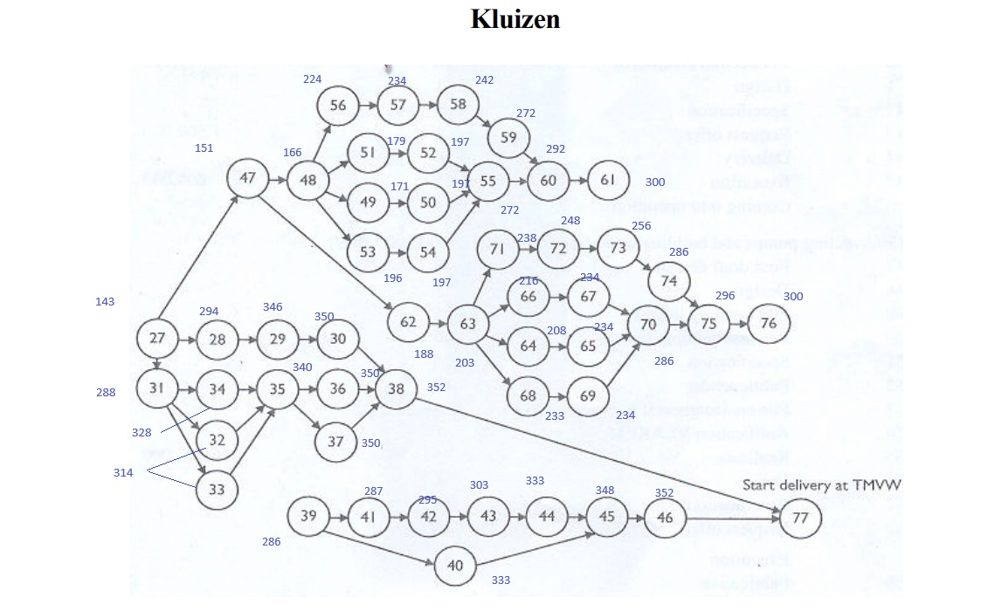
44 | Delivery | 0 | 0 | 0 | 0 | 0 | 0 | 0 | 0 | 0 | 0 | 0 | 0 | 0 | 0 | 0 | 0 | 0 | -1 | 1 | 0 | 0 | 0 | 0 | 0 | 0 | 0 | 0 | 0 | 0 | 0 | 0 | 0 | 0 | 0 | 0 | 0 | 0 | 0 | 0 | 0 | 0 | 0 | 0 | 0 | 0 | 0 | 0 | 0 | 0 | 0 | 0 | 0 | 30 | >= | 30
45 | Execution | 0 | 0 | 0 | 0 | 0 | 0 | 0 | 0 | 0 | 0 | 0 | 0 | 0 | 0 | 0 | 0 | 0 | 0 | -1 | 1 | 0 | 0 | 0 | 0 | 0 | 0 | 0 | 0 | 0 | 0 | 0 | 0 | 0 | 0 | 0 | 0 | 0 | 0 | 0 | 0 | 0 | 0 | 0 | 0 | 0 | 0 | 0 | 0 | 0 | 0 | 0 | 0 | 15 | >= | 15
 |  | 0 | 0 | 0 | 0 | 0 | 0 | 0 | 0 | 0 | 0 | 0 | 0 | 0 | 0 | -1 | 0 | 0 | 0 | 0 | 1 | 0 | 0 | 0 | 0 | 0 | 0 | 0 | 0 | 0 | 0 | 0 | 0 | 0 | 0 | 0 | 0 | 0 | 0 | 0 | 0 | 0 | 0 | 0 | 0 | 0 | 0 | 0 | 0 | 0 | 0 | 0 | 0 | 15 | >= | 15
46 | Coming into execution | 0 | 0 | 0 | 0 | 0 | 0 | 0 | 0 | 0 | 0 | 0 | 0 | 0 | 0 | 0 | 0 | 0 | 0 | 0 | -1 | 1 | 0 | 0 | 0 | 0 | 0 | 0 | 0 | 0 | 0 | 0 | 0 | 0 | 0 | 0 | 0 | 0 | 0 | 0 | 0 | 0 | 0 | 0 | 0 | 0 | 0 | 0 | 0 | 0 | 0 | 0 | 0 | 4 | >= | 4
77 | Deivery at TMW(max of x38 and x46) | 0 | 0 | 0 | 0 | 0 | 0 | 0 | 0 | 0 | 0 | 0 | 0 | -1 | 0 | 0 | 0 | 0 | 0 | 0 | 0 | 0 | 0 | 0 | 0 | 0 | 0 | 0 | 0 | 0 | 0 | 0 | 0 | 0 | 0 | 0 | 0 | 0 | 0 | 0 | 0 | 0 | 0 | 0 | 0 | 0 | 0 | 0 | 0 | 0 | 0 | 0 | 1 | 0 | >= | 0
 |  | 0 | 0 | 0 | 0 | 0 | 0 | 0 | 0 | 0 | 0 | 0 | 0 | 0 | 0 | 0 | 0 | 0 | 0 | 0 | 0 | -1 | 0 | 0 | 0 | 0 | 0 | 0 | 0 | 0 | 0 | 0 | 0 | 0 | 0 | 0 | 0 | 0 | 0 | 0 | 0 | 0 | 0 | 0 | 0 | 0 | 0 | 0 | 0 | 0 | 0 | 0 | 1 | 0 | >= | 0
47 | First Draft Design | 0 | -1 | 0 | 0 | 0 | 0 | 0 | 0 | 0 | 0 | 0 | 0 | 0 | 0 | 0 | 0 | 0 | 0 | 0 | 0 | 0 | 1 | 0 | 0 | 0 | 0 | 0 | 0 | 0 | 0 | 0 | 0 | 0 | 0 | 0 | 0 | 0 | 0 | 0 | 0 | 0 | 0 | 0 | 0 | 0 | 0 | 0 | 0 | 0 | 0 | 0 | 0 | 8 | >= | 8
48 | Design | 0 | 0 | 0 | 0 | 0 | 0 | 0 | 0 | 0 | 0 | 0 | 0 | 0 | 0 | 0 | 0 | 0 | 0 | 0 | 0 | 0 | -1 | 1 | 0 | 0 | 0 | 0 | 0 | 0 | 0 | 0 | 0 | 0 | 0 | 0 | 0 | 0 | 0 | 0 | 0 | 0 | 0 | 0 | 0 | 0 | 0 | 0 | 0 | 0 | 0 | 0 | 0 | 15 | >= | 15
49 | File Building license | 0 | 0 | 0 | 0 | 0 | 0 | 0 | 0 | 0 | 0 | 0 | 0 | 0 | 0 | 0 | 0 | 0 | 0 | 0 | 0 | 0 | 0 | -1 | 1 | 0 | 0 | 0 | 0 | 0 | 0 | 0 | 0 | 0 | 0 | 0 | 0 | 0 | 0 | 0 | 0 | 0 | 0 | 0 | 0 | 0 | 0 | 0 | 0 | 0 | 0 | 0 | 0 | 5 | >= | 5
50 | Request building license | 0 | 0 | 0 | 0 | 0 | 0 | 0 | 0 | 0 | 0 | 0 | 0 | 0 | 0 | 0 | 0 | 0 | 0 | 0 | 0 | 0 | 0 | 0 | -1 | 1 | 0 | 0 | 0 | 0 | 0 | 0 | 0 | 0 | 0 | 0 | 0 | 0 | 0 | 0 | 0 | 0 | 0 | 0 | 0 | 0 | 0 | 0 | 0 | 0 | 0 | 0 | 0 | 26 | >= | 26
51 | Specification | 0 | 0 | 0 | 0 | 0 | 0 | 0 | 0 | 0 | 0 | 0 | 0 | 0 | 0 | 0 | 0 | 0 | 0 | 0 | 0 | 0 | 0 | -1 | 0 | 0 | 1 | 0 | 0 | 0 | 0 | 0 | 0 | 0 | 0 | 0 | 0 | 0 | 0 | 0 | 0 | 0 | 0 | 0 | 0 | 0 | 0 | 0 | 0 | 0 | 0 | 0 | 0 | 13 | >= | 10
52 | Public Tender | 0 | 0 | 0 | 0 | 0 | 0 | 0 | 0 | 0 | 0 | 0 | 0 | 0 | 0 | 0 | 0 | 0 | 0 | 0 | 0 | 0 | 0 | 0 | 0 | 0 | -1 | 1 | 0 | 0 | 0 | 0 | 0 | 0 | 0 | 0 | 0 | 0 | 0 | 0 | 0 | 0 | 0 | 0 | 0 | 0 | 0 | 0 | 0 | 0 | 0 | 0 | 0 | 18 | >= | 18
53 | File enviroment license | 0 | 0 | 0 | 0 | 0 | 0 | 0 | 0 | 0 | 0 | 0 | 0 | 0 | 0 | 0 | 0 | 0 | 0 | 0 | 0 | 0 | 0 | -1 | 0 | 0 | 0 | 0 | 1 | 0 | 0 | 0 | 0 | 0 | 0 | 0 | 0 | 0 | 0 | 0 | 0 | 0 | 0 | 0 | 0 | 0 | 0 | 0 | 0 | 0 | 0 | 0 | 0 | 30 | >= | 5
54 | Notification | 0 | 0 | 0 | 0 | 0 | 0 | 0 | 0 | 0 | 0 | 0 | 0 | 0 | 0 | 0 | 0 | 0 | 0 | 0 | 0 | 0 | 0 | 0 | 0 | 0 | 0 | 0 | -1 | 1 | 0 | 0 | 0 | 0 | 0 | 0 | 0 | 0 | 0 | 0 | 0 | 0 | 0 | 0 | 0 | 0 | 0 | 0 | 0 | 0 | 0 | 0 | 0 | 1 | >= | 1
55 | Realisation | 0 | 0 | 0 | 0 | 0 | 0 | 0 | 0 | 0 | 0 | 0 | 0 | 0 | 0 | 0 | 0 | 0 | 0 | 0 | 0 | 0 | 0 | 0 | 0 | 0 | 0 | 0 | 0 | -1 | 1 | 0 | 0 | 0 | 0 | 0 | 0 | 0 | 0 | 0 | 0 | 0 | 0 | 0 | 0 | 0 | 0 | 0 | 0 | 0 | 0 | 0 | 0 | 75 | >= | 75
 |  | 0 | 0 | 0 | 0 | 0 | 0 | 0 | 0 | 0 | 0 | 0 | 0 | 0 | 0 | 0 | 0 | 0 | 0 | 0 | 0 | 0 | 0 | 0 | 0 | 0 | 0 | -1 | 0 | 0 | 1 | 0 | 0 | 0 | 0 | 0 | 0 | 0 | 0 | 0 | 0 | 0 | 0 | 0 | 0 | 0 | 0 | 0 | 0 | 0 | 0 | 0 | 0 | 75 | >= | 75
 |  | 0 | 0 | 0 | 0 | 0 | 0 | 0 | 0 | 0 | 0 | 0 | 0 | 0 | 0 | 0 | 0 | 0 | 0 | 0 | 0 | 0 | 0 | 0 | 0 | -1 | 0 | 0 | 0 | 0 | 1 | 0 | 0 | 0 | 0 | 0 | 0 | 0 | 0 | 0 | 0 | 0 | 0 | 0 | 0 | 0 | 0 | 0 | 0 | 0 | 0 | 0 | 0 | 75 | >= | 75
56 | Design | 0 | 0 | 0 | 0 | 0 | 0 | 0 | 0 | 0 | 0 | 0 | 0 | 0 | 0 | 0 | 0 | 0 | 0 | 0 | 0 | 0 | 0 | -1 | 0 | 0 | 0 | 0 | 0 | 0 | 0 | 1 | 0 | 0 | 0 | 0 | 0 | 0 | 0 | 0 | 0 | 0 | 0 | 0 | 0 | 0 | 0 | 0 | 0 | 0 | 0 | 0 | 0 | 58 | >= | 4
57 | Specification | 0 | 0 | 0 | 0 | 0 | 0 | 0 | 0 | 0 | 0 | 0 | 0 | 0 | 0 | 0 | 0 | 0 | 0 | 0 | 0 | 0 | 0 | 0 | 0 | 0 | 0 | 0 | 0 | 0 | 0 | -1 | 1 | 0 | 0 | 0 | 0 | 0 | 0 | 0 | 0 | 0 | 0 | 0 | 0 | 0 | 0 | 0 | 0 | 0 | 0 | 0 | 0 | 10 | >= | 10
58 | Request offer | 0 | 0 | 0 | 0 | 0 | 0 | 0 | 0 | 0 | 0 | 0 | 0 | 0 | 0 | 0 | 0 | 0 | 0 | 0 | 0 | 0 | 0 | 0 | 0 | 0 | 0 | 0 | 0 | 0 | 0 | 0 | -1 | 1 | 0 | 0 | 0 | 0 | 0 | 0 | 0 | 0 | 0 | 0 | 0 | 0 | 0 | 0 | 0 | 0 | 0 | 0 | 0 | 8 | >= | 8
59 | Fabrication | 0 | 0 | 0 | 0 | 0 | 0 | 0 | 0 | 0 | 0 | 0 | 0 | 0 | 0 | 0 | 0 | 0 | 0 | 0 | 0 | 0 | 0 | 0 | 0 | 0 | 0 | 0 | 0 | 0 | 0 | 0 | 0 | -1 | 1 | 0 | 0 | 0 | 0 | 0 | 0 | 0 | 0 | 0 | 0 | 0 | 0 | 0 | 0 | 0 | 0 | 0 | 0 | 30 | >= | 30
60 | Equipment | 0 | 0 | 0 | 0 | 0 | 0 | 0 | 0 | 0 | 0 | 0 | 0 | 0 | 0 | 0 | 0 | 0 | 0 | 0 | 0 | 0 | 0 | 0 | 0 | 0 | 0 | 0 | 0 | 0 | 0 | 0 | 0 | 0 | -1 | 1 | 0 | 0 | 0 | 0 | 0 | 0 | 0 | 0 | 0 | 0 | 0 | 0 | 0 | 0 | 0 | 0 | 0 | 20 | >= | 20
 |  | 0 | 0 | 0 | 0 | 0 | 0 | 0 | 0 | 0 | 0 | 0 | 0 | 0 | 0 | 0 | 0 | 0 | 0 | 0 | 0 | 0 | 0 | 0 | 0 | 0 | 0 | 0 | 0 | 0 | -1 | 0 | 0 | 0 | 0 | 1 | 0 | 0 | 0 | 0 | 0 | 0 | 0 | 0 | 0 | 0 | 0 | 0 | 0 | 0 | 0 | 0 | 0 | 20 | >= | 20
61 | Coming into operation | 0 | 0 | 0 | 0 | 0 | 0 | 0 | 0 | 0 | 0 | 0 | 0 | 0 | 0 | 0 | 0 | 0 | 0 | 0 | 0 | 0 | 0 | 0 | 0 | 0 | 0 | 0 | 0 | 0 | 0 | 0 | 0 | 0 | 0 | -1 | 1 | 0 | 0 | 0 | 0 | 0 | 0 | 0 | 0 | 0 | 0 | 0 | 0 | 0 | 0 | 0 | 0 | 8 | >= | 8
62 | First Draft Design | 0 | 0 | 0 | 0 | 0 | 0 | 0 | 0 | 0 | 0 | 0 | 0 | 0 | 0 | 0 | 0 | 0 | 0 | 0 | 0 | 0 | -1 | 0 | 0 | 0 | 0 | 0 | 0 | 0 | 0 | 0 | 0 | 0 | 0 | 0 | 0 | 1 | 0 | 0 | 0 | 0 | 0 | 0 | 0 | 0 | 0 | 0 | 0 | 0 | 0 | 0 | 0 | 37 | >= | 8
63 | Design | 0 | 0 | 0 | 0 | 0 | 0 | 0 | 0 | 0 | 0 | 0 | 0 | 0 | 0 | 0 | 0 | 0 | 0 | 0 | 0 | 0 | 0 | 0 | 0 | 0 | 0 | 0 | 0 | 0 | 0 | 0 | 0 | 0 | 0 | 0 | 0 | -1 | 1 | 0 | 0 | 0 | 0 | 0 | 0 | 0 | 0 | 0 | 0 | 0 | 0 | 0 | 0 | 15 | >= | 15
64 | File constructing license | 0 | 0 | 0 | 0 | 0 | 0 | 0 | 0 | 0 | 0 | 0 | 0 | 0 | 0 | 0 | 0 | 0 | 0 | 0 | 0 | 0 | 0 | 0 | 0 | 0 | 0 | 0 | 0 | 0 | 0 | 0 | 0 | 0 | 0 | 0 | 0 | 0 | -1 | 1 | 0 | 0 | 0 | 0 | 0 | 0 | 0 | 0 | 0 | 0 | 0 | 0 | 0 | 5 | >= | 5
65 | Request Constructing License | 0 | 0 | 0 | 0 | 0 | 0 | 0 | 0 | 0 | 0 | 0 | 0 | 0 | 0 | 0 | 0 | 0 | 0 | 0 | 0 | 0 | 0 | 0 | 0 | 0 | 0 | 0 | 0 | 0 | 0 | 0 | 0 | 0 | 0 | 0 | 0 | 0 | 0 | -1 | 1 | 0 | 0 | 0 | 0 | 0 | 0 | 0 | 0 | 0 | 0 | 0 | 0 | 26 | >= | 26
66 | Specification | 0 | 0 | 0 | 0 | 0 | 0 | 0 | 0 | 0 | 0 | 0 | 0 | 0 | 0 | 0 | 0 | 0 | 0 | 0 | 0 | 0 | 0 | 0 | 0 | 0 | 0 | 0 | 0 | 0 | 0 | 0 | 0 | 0 | 0 | 0 | 0 | 0 | -1 | 0 | 0 | 1 | 0 | 0 | 0 | 0 | 0 | 0 | 0 | 0 | 0 | 0 | 0 | 13 | >= | 10
67 | Public Tender | 0 | 0 | 0 | 0 | 0 | 0 | 0 | 0 | 0 | 0 | 0 | 0 | 0 | 0 | 0 | 0 | 0 | 0 | 0 | 0 | 0 | 0 | 0 | 0 | 0 | 0 | 0 | 0 | 0 | 0 | 0 | 0 | 0 | 0 | 0 | 0 | 0 | 0 | 0 | 0 | -1 | 1 | 0 | 0 | 0 | 0 | 0 | 0 | 0 | 0 | 0 | 0 | 18 | >= | 18
68 | File enviroment license | 0 | 0 | 0 | 0 | 0 | 0 | 0 | 0 | 0 | 0 | 0 | 0 | 0 | 0 | 0 | 0 | 0 | 0 | 0 | 0 | 0 | 0 | 0 | 0 | 0 | 0 | 0 | 0 | 0 | 0 | 0 | 0 | 0 | 0 | 0 | 0 | 0 | -1 | 0 | 0 | 0 | 0 | 1 | 0 | 0 | 0 | 0 | 0 | 0 | 0 | 0 | 0 | 30 | >= | 5
69 | Notifcation Vlarem | 0 | 0 | 0 | 0 | 0 | 0 | 0 | 0 | 0 | 0 | 0 | 0 | 0 | 0 | 0 | 0 | 0 | 0 | 0 | 0 | 0 | 0 | 0 | 0 | 0 | 0 | 0 | 0 | 0 | 0 | 0 | 0 | 0 | 0 | 0 | 0 | 0 | 0 | 0 | 0 | 0 | 0 | -1 | 1 | 0 | 0 | 0 | 0 | 0 | 0 | 0 | 0 | 1 | >= | 1
70 | Realisation | 0 | 0 | 0 | 0 | 0 | 0 | 0 | 0 | 0 | 0 | 0 | 0 | 0 | 0 | 0 | 0 | 0 | 0 | 0 | 0 | 0 | 0 | 0 | 0 | 0 | 0 | 0 | 0 | 0 | 0 | 0 | 0 | 0 | 0 | 0 | 0 | 0 | 0 | 0 | 0 | 0 | 0 | 0 | -1 | 1 | 0 | 0 | 0 | 0 | 0 | 0 | 0 | 52 | >= | 52
 |  | 0 | 0 | 0 | 0 | 0 | 0 | 0 | 0 | 0 | 0 | 0 | 0 | 0 | 0 | 0 | 0 | 0 | 0 | 0 | 0 | 0 | 0 | 0 | 0 | 0 | 0 | 0 | 0 | 0 | 0 | 0 | 0 | 0 | 0 | 0 | 0 | 0 | 0 | 0 | 0 | 0 | -1 | 0 | 0 | 1 | 0 | 0 | 0 | 0 | 0 | 0 | 0 | 52 | >= | 52
 |  | 0 | 0 | 0 | 0 | 0 | 0 | 0 | 0 | 0 | 0 | 0 | 0 | 0 | 0 | 0 | 0 | 0 | 0 | 0 | 0 | 0 | 0 | 0 | 0 | 0 | 0 | 0 | 0 | 0 | 0 | 0 | 0 | 0 | 0 | 0 | 0 | 0 | 0 | 0 | -1 | 0 | 0 | 0 | 0 | 1 | 0 | 0 | 0 | 0 | 0 | 0 | 0 | 52 | >= | 52
71 | Design | 0 | 0 | 0 | 0 | 0 | 0 | 0 | 0 | 0 | 0 | 0 | 0 | 0 | 0 | 0 | 0 | 0 | 0 | 0 | 0 | 0 | 0 | 0 | 0 | 0 | 0 | 0 | 0 | 0 | 0 | 0 | 0 | 0 | 0 | 0 | 0 | 0 | -1 | 0 | 0 | 0 | 0 | 0 | 0 | 0 | 1 | 0 | 0 | 0 | 0 | 0 | 0 | 35 | >= | 4
72 | Specification | 0 | 0 | 0 | 0 | 0 | 0 | 0 | 0 | 0 | 0 | 0 | 0 | 0 | 0 | 0 | 0 | 0 | 0 | 0 | 0 | 0 | 0 | 0 | 0 | 0 | 0 | 0 | 0 | 0 | 0 | 0 | 0 | 0 | 0 | 0 | 0 | 0 | 0 | 0 | 0 | 0 | 0 | 0 | 0 | 0 | -1 | 1 | 0 | 0 | 0 | 0 | 0 | 10 | >= | 10
73 | Request offer | 0 | 0 | 0 | 0 | 0 | 0 | 0 | 0 | 0 | 0 | 0 | 0 | 0 | 0 | 0 | 0 | 0 | 0 | 0 | 0 | 0 | 0 | 0 | 0 | 0 | 0 | 0 | 0 | 0 | 0 | 0 | 0 | 0 | 0 | 0 | 0 | 0 | 0 | 0 | 0 | 0 | 0 | 0 | 0 | 0 | 0 | -1 | 1 | 0 | 0 | 0 | 0 | 8 | >= | 8
74 | Fabrication | 0 | 0 | 0 | 0 | 0 | 0 | 0 | 0 | 0 | 0 | 0 | 0 | 0 | 0 | 0 | 0 | 0 | 0 | 0 | 0 | 0 | 0 | 0 | 0 | 0 | 0 | 0 | 0 | 0 | 0 | 0 | 0 | 0 | 0 | 0 | 0 | 0 | 0 | 0 | 0 | 0 | 0 | 0 | 0 | 0 | 0 | 0 | -1 | 1 | 0 | 0 | 0 | 30 | >= | 30
75 | Equipment | 0 | 0 | 0 | 0 | 0 | 0 | 0 | 0 | 0 | 0 | 0 | 0 | 0 | 0 | 0 | 0 | 0 | 0 | 0 | 0 | 0 | 0 | 0 | 0 | 0 | 0 | 0 | 0 | 0 | 0 | 0 | 0 | 0 | 0 | 0 | 0 | 0 | 0 | 0 | 0 | 0 | 0 | 0 | 0 | 0 | 0 | 0 | 0 | -1 | 1 | 0 | 0 | 10 | >= | 10
 |  | 0 | 0 | 0 | 0 | 0 | 0 | 0 | 0 | 0 | 0 | 0 | 0 | 0 | 0 | 0 | 0 | 0 | 0 | 0 | 0 | 0 | 0 | 0 | 0 | 0 | 0 | 0 | 0 | 0 | 0 | 0 | 0 | 0 | 0 | 0 | 0 | 0 | 0 | 0 | 0 | 0 | 0 | 0 | 0 | -1 | 0 | 0 | 0 | 0 | 1 | 0 | 0 | 10 | >= | 10
76 | Coming into operation | 0 | 0 | 0 | 0 | 0 | 0 | 0 | 0 | 0 | 0 | 0 | 0 | 0 | 0 | 0 | 0 | 0 | 0 | 0 | 0 | 0 | 0 | 0 | 0 | 0 | 0 | 0 | 0 | 0 | 0 | 0 | 0 | 0 | 0 | 0 | 0 | 0 | 0 | 0 | 0 | 0 | 0 | 0 | 0 | 0 | 0 | 0 | 0 | 0 | -1 | 1 | 0 | 4 | >= | 4

 | Operations for 2 sheet |  |  | x135/x136
 | x26 | 300 | <= | 300
 | x61 | 300 | <= | 300
 | x76 | 300 | <= | 300
 | x38 | 352 | <= | 352
 | x46 | 352 | <= | 352

LFT_Activity1.2
 |  | x0 | x78 | x79 | x80 | x81 | x82 | x83 | x84 | x85 | x86 | x87 | x88 | x89 | x90 | x91 | x92 | x93 | x94 | x95 | x96 | x97 | x98 | x99 | x100 | x101 | x102 | x103 | x104 | x105 | x106 | x107 | x108 | x109 | x110 | x111 | x112 | x113 | x114 | x115 | x116 | x117 | x118 | x119 | x120 | x121 | x122 | x123 | x124 | x125 | x126 | x127 | x128 | x129 | x130 | x131 | x132 | x133 | x134 | x135 | x136 | x137
 | Latest Finish Time | 0.0 | 90.0 | 100.0 | 116.0 | 126.0 | 126.0 | 178.0 | 128.0 | 128.0 | 144.0 | 152.0 | 178.0 | 204.0 | 136.0 | 176.0 | 178.0 | 206.0 | 214.0 | 214.0 | 218.0 | 244.0 | 270.0 | 296.0 | 228.0 | 268.0 | 270.0 | 300.0 | 20.0 | 40.0 | 54.0 | 54.0 | 80.0 | 54.0 | 80.0 | 236.0 | 166.0 | 176.0 | 184.0 | 236.0 | 288.0 | 236.0 | 262.0 | 288.0 | 236.0 | 248.0 | 288.0 | 300.0 | 146.0 | 186.0 | 212.0 | 212.0 | 224.0 | 264.0 | 264.0 | 290.0 | 238.0 | 264.0 | 290.0 | 300.0 | 352.0 | 0.0 | 11656.0
 | Duration |  | 4 | 10 | 8 | 26 | 10 | 52 | 10 | 0 | 6 | 8 | 26 | 26.00 | 8 | 40 | 2.00 | 2 | 8 | 0 | 4 | 10 | 26 | 26.00 | 10 | 40 | 2.00 | 4 | 0.2 | 20 | 14 | 10 | 26 | 10 | 26 | 156 | 20 | 10 | 8 | 52 | 52.00 | 26 | 26 | 26.00 | 20 | 12 | 40.00 | 12 | 15 | 40 | 15 | 26 | 16 | 52 | 40 | 26.00 | 26 | 26 | 26 | 10 | 52
 | Latest Start Time |  | 86.0 | 90.0 | 108.0 | 100.0 | 116.0 | 126.0 | 118.0 | 128.0 | 138.0 | 144.0 | 152.0 | 178.0 | 128.0 | 136.0 | 176.0 | 204.0 | 206.0 | 214.0 | 214.0 | 234.0 | 244.0 | 270.0 | 218.0 | 228.0 | 268.0 | 296.0 | 19.8 | 20.0 | 40.0 | 44.0 | 54.0 | 44.0 | 54.0 | 80.0 | 146.0 | 166.0 | 176.0 | 184.0 | 236.0 | 210.0 | 236.0 | 262.0 | 216.0 | 236.0 | 248.0 | 288.0 | 131.0 | 146.0 | 197.0 | 186.0 | 208.0 | 212.0 | 224.0 | 264.0 | 212.0 | 238.0 | 264.0 | 290.0 | 300.0

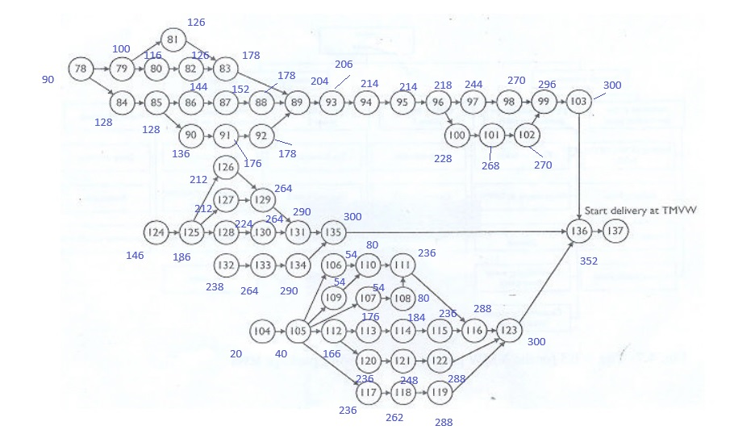
78 | First Draft Design | -1 | 1 | 0 | 0 | 0 | 0 | 0 | 0 | 0 | 0 | 0 | 0 | 0 | 0 | 0 | 0 | 0 | 0 | 0 | 0 | 0 | 0 | 0 | 0 | 0 | 0 | 0 | 90.0 | >= | 4
79 | Design | 0 | -1 | 1 | 0 | 0 | 0 | 0 | 0 | 0 | 0 | 0 | 0 | 0 | 0 | 0 | 0 | 0 | 0 | 0 | 0 | 0 | 0 | 0 | 0 | 0 | 0 | 0 | 10.0 | >= | 10
80 | Specification | 0 | 0 | -1 | 1 | 0 | 0 | 0 | 0 | 0 | 0 | 0 | 0 | 0 | 0 | 0 | 0 | 0 | 0 | 0 | 0 | 0 | 0 | 0 | 0 | 0 | 0 | 0 | 16.0 | >= | 8
81 | Building license procedure | 0 | 0 | -1 | 0 | 1 | 0 | 0 | 0 | 0 | 0 | 0 | 0 | 0 | 0 | 0 | 0 | 0 | 0 | 0 | 0 | 0 | 0 | 0 | 0 | 0 | 0 | 0 | 26.0 | >= | 26
82 | Public Tender | 0 | 0 | 0 | -1 | 0 | 1 | 0 | 0 | 0 | 0 | 0 | 0 | 0 | 0 | 0 | 0 | 0 | 0 | 0 | 0 | 0 | 0 | 0 | 0 | 0 | 0 | 0 | 10.0 | >= | 10
83 | Execution Building resorvior AKF | 0 | 0 | 0 | 0 | 0 | -1 | 1 | 0 | 0 | 0 | 0 | 0 | 0 | 0 | 0 | 0 | 0 | 0 | 0 | 0 | 0 | 0 | 0 | 0 | 0 | 0 | 0 | 52.0 | >= | 52
 |  | 0 | 0 | 0 | 0 | -1 | 0 | 1 | 0 | 0 | 0 | 0 | 0 | 0 | 0 | 0 | 0 | 0 | 0 | 0 | 0 | 0 | 0 | 0 | 0 | 0 | 0 | 0 | 52.0 | >= | 52
84 | Design Carbon Filter | 0 | -1 | 0 | 0 | 0 | 0 | 0 | 1 | 0 | 0 | 0 | 0 | 0 | 0 | 0 | 0 | 0 | 0 | 0 | 0 | 0 | 0 | 0 | 0 | 0 | 0 | 0 | 38.0 | >= | 10
85 | Determine the number of filters | 0 | 0 | 0 | 0 | 0 | 0 | 0 | -1 | 1 | 0 | 0 | 0 | 0 | 0 | 0 | 0 | 0 | 0 | 0 | 0 | 0 | 0 | 0 | 0 | 0 | 0 | 0 | 0.0 | >= | 0
86 | Specifications | 0 | 0 | 0 | 0 | 0 | 0 | 0 | 0 | -1 | 1 | 0 | 0 | 0 | 0 | 0 | 0 | 0 | 0 | 0 | 0 | 0 | 0 | 0 | 0 | 0 | 0 | 0 | 16.0 | >= | 6
87 | Request offer | 0 | 0 | 0 | 0 | 0 | 0 | 0 | 0 | 0 | -1 | 1 | 0 | 0 | 0 | 0 | 0 | 0 | 0 | 0 | 0 | 0 | 0 | 0 | 0 | 0 | 0 | 0 | 8.0 | >= | 8
88 | Fabrication materials | 0 | 0 | 0 | 0 | 0 | 0 | 0 | 0 | 0 | 0 | -1 | 1 | 0 | 0 | 0 | 0 | 0 | 0 | 0 | 0 | 0 | 0 | 0 | 0 | 0 | 0 | 0 | 26.0 | >= | 26
89 | Execution of materials | 0 | 0 | 0 | 0 | 0 | 0 | 0 | 0 | 0 | 0 | 0 | -1 | 1 | 0 | 0 | 0 | 0 | 0 | 0 | 0 | 0 | 0 | 0 | 0 | 0 | 0 | 0 | 26.0 | >= | 26
 |  | 0 | 0 | 0 | 0 | 0 | 0 | -1 | 0 | 0 | 0 | 0 | 0 | 1 | 0 | 0 | 0 | 0 | 0 | 0 | 0 | 0 | 0 | 0 | 0 | 0 | 0 | 0 | 26.0 | >= | 26
 |  | 0 | 0 | 0 | 0 | 0 | 0 | 0 | 0 | 0 | 0 | 0 | 0 | 1 | 0 | 0 | -1 | 0 | 0 | 0 | 0 | 0 | 0 | 0 | 0 | 0 | 0 | 0 | 26.0 | >= | 26
90 | Request offer | 0 | 0 | 0 | 0 | 0 | 0 | 0 | 0 | -1 | 0 | 0 | 0 | 0 | 1 | 0 | 0 | 0 | 0 | 0 | 0 | 0 | 0 | 0 | 0 | 0 | 0 | 0 | 8.0 | >= | 8
91 | Construction filter | 0 | 0 | 0 | 0 | 0 | 0 | 0 | 0 | 0 | 0 | 0 | 0 | 0 | -1 | 1 | 0 | 0 | 0 | 0 | 0 | 0 | 0 | 0 | 0 | 0 | 0 | 0 | 40.0 | >= | 40
92 | Delivery of filter | 0 | 0 | 0 | 0 | 0 | 0 | 0 | 0 | 0 | 0 | 0 | 0 | 0 | 0 | -1 | 1 | 0 | 0 | 0 | 0 | 0 | 0 | 0 | 0 | 0 | 0 | 0 | 2.0 | >= | 2
93 | Delivery Carbon | 0 | 0 | 0 | 0 | 0 | 0 | 0 | 0 | 0 | 0 | 0 | 0 | -1 | 0 | 0 | 0 | 1 | 0 | 0 | 0 | 0 | 0 | 0 | 0 | 0 | 0 | 0 | 2.0 | >= | 2
94 | Cominginto operation | 0 | 0 | 0 | 0 | 0 | 0 | 0 | 0 | 0 | 0 | 0 | 0 | 0 | 0 | 0 | 0 | -1 | 1 | 0 | 0 | 0 | 0 | 0 | 0 | 0 | 0 | 0 | 8.0 | >= | 8
95 | Determine the number of carbon filter | 0 | 0 | 0 | 0 | 0 | 0 | 0 | 0 | 0 | 0 | 0 | 0 | 0 | 0 | 0 | 0 | 0 | -1 | 1 | 0 | 0 | 0 | 0 | 0 | 0 | 0 | 0 | 0.0 | >= | 0
96 | Specification | 0 | 0 | 0 | 0 | 0 | 0 | 0 | 0 | 0 | 0 | 0 | 0 | 0 | 0 | 0 | 0 | 0 | 0 | -1 | 1 | 0 | 0 | 0 | 0 | 0 | 0 | 0 | 4.0 | >= | 4
97 | Request offer | 0 | 0 | 0 | 0 | 0 | 0 | 0 | 0 | 0 | 0 | 0 | 0 | 0 | 0 | 0 | 0 | 0 | 0 | 0 | -1 | 1 | 0 | 0 | 0 | 0 | 0 | 0 | 26.0 | >= | 10
98 | Fabrication of material | 0 | 0 | 0 | 0 | 0 | 0 | 0 | 0 | 0 | 0 | 0 | 0 | 0 | 0 | 0 | 0 | 0 | 0 | 0 | 0 | -1 | 1 | 0 | 0 | 0 | 0 | 0 | 26.0 | >= | 26
99 | Execution | 0 | 0 | 0 | 0 | 0 | 0 | 0 | 0 | 0 | 0 | 0 | 0 | 0 | 0 | 0 | 0 | 0 | 0 | 0 | 0 | 0 | -1 | 1 | 0 | 0 | 0 | 0 | 26.0 | >= | 26
 |  | 0 | 0 | 0 | 0 | 0 | 0 | 0 | 0 | 0 | 0 | 0 | 0 | 0 | 0 | 0 | 0 | 0 | 0 | 0 | 0 | 0 | 0 | 1 | 0 | 0 | -1 | 0 | 26.0 | >= | 26
100 | Request offer | 0 | 0 | 0 | 0 | 0 | 0 | 0 | 0 | 0 | 0 | 0 | 0 | 0 | 0 | 0 | 0 | 0 | 0 | 0 | -1 | 0 | 0 | 0 | 1 | 0 | 0 | 0 | 10.0 | >= | 10
101 | Construction Filters | 0 | 0 | 0 | 0 | 0 | 0 | 0 | 0 | 0 | 0 | 0 | 0 | 0 | 0 | 0 | 0 | 0 | 0 | 0 | 0 | 0 | 0 | 0 | -1 | 1 | 0 | 0 | 40.0 | >= | 40
102 | Delivery Filtrs | 0 | 0 | 0 | 0 | 0 | 0 | 0 | 0 | 0 | 0 | 0 | 0 | 0 | 0 | 0 | 0 | 0 | 0 | 0 | 0 | 0 | 0 | 0 | 0 | -1 | 1 | 0 | 2.0 | >= | 2
103 | Coming into operations | 0 | 0 | 0 | 0 | 0 | 0 | 0 | 0 | 0 | 0 | 0 | 0 | 0 | 0 | 0 | 0 | 0 | 0 | 0 | 0 | 0 | 0 | 0 | 0 | 0 | -1 | 1 | 30.0 | >= | 4
 |  | 0 | 0 | 0 | 0 | 0 | 0 | 0 | 0 | 0 | 0 | 0 | 0 | 0 | 0 | 0 | 0 | 0 | 0 | 0 | 0 | 0 | 0 | -1 | 0 | 0 | 0 | 1 | 4.0 | >= | 4

 |  | x0 | x104 | x105 | x106 | x107 | x108 | x109 | x110 | x111 | x112 | x113 | x114 | x115 | x116 | x117 | x118 | x119 | x120 | x121 | x122 | x123
 |  | 0 | 20 | 40 | 54 | 54 | 80 | 54 | 80 | 236 | 166 | 176 | 184 | 236 | 288 | 236 | 262 | 288 | 236 | 248 | 288 | 300

104 | First Draft design floating filtering | -1 | 1 | 0 | 0 | 0 | 0 | 0 | 0 | 0 | 0 | 0 | 0 | 0 | 0 | 0 | 0 | 0 | 0 | 0 | 0 | 0 | 20.0 | >= | 0.2
105 | First draft design and specification of architecture | 0 | -1 | 1 | 0 | 0 | 0 | 0 | 0 | 0 | 0 | 0 | 0 | 0 | 0 | 0 | 0 | 0 | 0 | 0 | 0 | 0 | 20.0 | >= | 20
106 | Public Tender | 0 | 0 | -1 | 1 | 0 | 0 | 0 | 0 | 0 | 0 | 0 | 0 | 0 | 0 | 0 | 0 | 0 | 0 | 0 | 0 | 0 | 14.0 | >= | 14
107 | Preparation building License | 0 | 0 | -1 | 0 | 1 | 0 | 0 | 0 | 0 | 0 | 0 | 0 | 0 | 0 | 0 | 0 | 0 | 0 | 0 | 0 | 0 | 14.0 | >= | 10
108 | Request Buildig license | 0 | 0 | 0 | 0 | -1 | 1 | 0 | 0 | 0 | 0 | 0 | 0 | 0 | 0 | 0 | 0 | 0 | 0 | 0 | 0 | 0 | 26.0 | >= | 26
109 | Preparation Enviroment License | 0 | 0 | -1 | 0 | 0 | 0 | 1 | 0 | 0 | 0 | 0 | 0 | 0 | 0 | 0 | 0 | 0 | 0 | 0 | 0 | 0 | 14.0 | >= | 10
110 | Request Enviroment License | 0 | 0 | 0 | -1 | 0 | 0 | 0 | 1 | 0 | 0 | 0 | 0 | 0 | 0 | 0 | 0 | 0 | 0 | 0 | 0 | 0 | 26.0 | >= | 26
 |  | 0 | 0 | 0 | 0 | 0 | 0 | -1 | 1 | 0 | 0 | 0 | 0 | 0 | 0 | 0 | 0 | 0 | 0 | 0 | 0 | 0 | 26.0 | >= | 26
111 | Realization architecture for floatation or membreane technique | 0 | 0 | 0 | 0 | 0 | 0 | 0 | -1 | 1 | 0 | 0 | 0 | 0 | 0 | 0 | 0 | 0 | 0 | 0 | 0 | 0 | 156.0 | >= | 156
 |  | 0 | 0 | 0 | 0 | 0 | -1 | 0 | 0 | 1 | 0 | 0 | 0 | 0 | 0 | 0 | 0 | 0 | 0 | 0 | 0 | 0 | 156.0 | >= | 156
112 | Design for floatation or membrane technique | 0 | 0 | -1 | 0 | 0 | 0 | 0 | 0 | 0 | 1 | 0 | 0 | 0 | 0 | 0 | 0 | 0 | 0 | 0 | 0 | 0 | 126.0 | >= | 20
113 | Specifcation | 0 | 0 | 0 | 0 | 0 | 0 | 0 | 0 | 0 | -1 | 1 | 0 | 0 | 0 | 0 | 0 | 0 | 0 | 0 | 0 | 0 | 10.0 | >= | 10
114 | Request offer | 0 | 0 | 0 | 0 | 0 | 0 | 0 | 0 | 0 | 0 | -1 | 1 | 0 | 0 | 0 | 0 | 0 | 0 | 0 | 0 | 0 | 8.0 | >= | 8
115 | Fabrication | 0 | 0 | 0 | 0 | 0 | 0 | 0 | 0 | 0 | 0 | 0 | -1 | 1 | 0 | 0 | 0 | 0 | 0 | 0 | 0 | 0 | 52.0 | >= | 52
116 | Execution of work | 0 | 0 | 0 | 0 | 0 | 0 | 0 | 0 | 0 | 0 | 0 | 0 | -1 | 1 | 0 | 0 | 0 | 0 | 0 | 0 | 0 | 52.0 | >= | 52
 |  | 0 | 0 | 0 | 0 | 0 | 0 | 0 | 0 | -1 | 0 | 0 | 0 | 0 | 1 | 0 | 0 | 0 | 0 | 0 | 0 | 0 | 52.0 | >= | 52
117 | Design | 0 | 0 | -1 | 0 | 0 | 0 | 0 | 0 | 0 | 0 | 0 | 0 | 0 | 0 | 1 | 0 | 0 | 0 | 0 | 0 | 0 | 196.0 | >= | 26
118 | Specification | 0 | 0 | 0 | 0 | 0 | 0 | 0 | 0 | 0 | 0 | 0 | 0 | 0 | 0 | -1 | 1 | 0 | 0 | 0 | 0 | 0 | 26.0 | >= | 26
119 | Realisation | 0 | 0 | 0 | 0 | 0 | 0 | 0 | 0 | 0 | 0 | 0 | 0 | 0 | 0 | 0 | -1 | 1 | 0 | 0 | 0 | 0 | 26.0 | >= | 26
120 | Design | 0 | 0 | 0 | 0 | 0 | 0 | 0 | 0 | 0 | -1 | 0 | 0 | 0 | 0 | 0 | 0 | 0 | 1 | 0 | 0 | 0 | 70.0 | >= | 20
121 | Request offer automation | 0 | 0 | 0 | 0 | 0 | 0 | 0 | 0 | 0 | 0 | 0 | 0 | 0 | 0 | 0 | 0 | 0 | -1 | 1 | 0 | 0 | 12.0 | >= | 12
122 | Realisation equipment | 0 | 0 | 0 | 0 | 0 | 0 | 0 | 0 | 0 | 0 | 0 | 0 | 0 | 0 | 0 | 0 | 0 | 0 | -1 | 1 | 0 | 40.0 | >= | 40
123 | Coming into operation | 0 | 0 | 0 | 0 | 0 | 0 | 0 | 0 | 0 | 0 | 0 | 0 | 0 | 0 | 0 | 0 | 0 | 0 | 0 | -1 | 1 | 12.0 | >= | 12
 |  | 0 | 0 | 0 | 0 | 0 | 0 | 0 | 0 | 0 | 0 | 0 | 0 | 0 | 0 | 0 | 0 | -1 | 0 | 0 | 0 | 1 | 12.0 | >= | 12
 |  | 0 | 0 | 0 | 0 | 0 | 0 | 0 | 0 | 0 | 0 | 0 | 0 | 0 | -1 | 0 | 0 | 0 | 0 | 0 | 0 | 1 | 12.0 | >= | 12

 |  | x0 | x124 | x125 | x126 | x127 | x128 | x129 | x130 | x131 | x132 | x133 | x134 | x135 | x136 | x137
 |  |  | 146 | 186 | 212 | 212 | 224 | 264 | 264 | 290 | 238 | 264 | 290 | 300 | 352 | 0
124 | First draft design | -1 | 1 | 0 | 0 | 0 | 0 | 0 | 0 | 0 | 0 | 0 | 0 | 0 | 0 | 0 | 146.0 | >= | 15
125 | Design | 0 | -1 | 1 | 0 | 0 | 0 | 0 | 0 | 0 | 0 | 0 | 0 | 0 | 0 | 0 | 40.0 | >= | 40
126 | Specification | 0 | 0 | -1 | 1 | 0 | 0 | 0 | 0 | 0 | 0 | 0 | 0 | 0 | 0 | 0 | 26.0 | >= | 15
127 | Obtain enviromental and building license | 0 | 0 | -1 | 0 | 1 | 0 | 0 | 0 | 0 | 0 | 0 | 0 | 0 | 0 | 0 | 26.0 | >= | 26
128 | Design and specification | 0 | 0 | -1 | 0 | 0 | 1 | 0 | 0 | 0 | 0 | 0 | 0 | 0 | 0 | 0 | 38.0 | >= | 16
129 | Realisation architecture | 0 | 0 | 0 | -1 | 0 | 0 | 1 | 0 | 0 | 0 | 0 | 0 | 0 | 0 | 0 | 52.0 | >= | 52
 |  | 0 | 0 | 0 | 0 | -1 | 0 | 1 | 0 | 0 | 0 | 0 | 0 | 0 | 0 | 0 | 52.0 | >= | 52
130 | Fabrication | 0 | 0 | 0 | 0 | 0 | -1 | 0 | 1 | 0 | 0 | 0 | 0 | 0 | 0 | 0 | 40.0 | >= | 40
131 | Execution of work | 0 | 0 | 0 | 0 | 0 | 0 | -1 | 0 | 1 | 0 | 0 | 0 | 0 | 0 | 0 | 26.0 | >= | 26
 |  | 0 | 0 | 0 | 0 | 0 | 0 | 0 | -1 | 1 | 0 | 0 | 0 | 0 | 0 | 0 | 26.0 | >= | 26
132 | Design | -1 | 0 | 0 | 0 | 0 | 0 | 0 | 0 | 0 | 1 | 0 | 0 | 0 | 0 | 0 | 238.0 | >= | 26
133 | Specification | 0 | 0 | 0 | 0 | 0 | 0 | 0 | 0 | 0 | -1 | 1 | 0 | 0 | 0 | 0 | 26.0 | >= | 26
134 | Realisation architecture | 0 | 0 | 0 | 0 | 0 | 0 | 0 | 0 | 0 | 0 | -1 | 1 | 0 | 0 | 0 | 26.0 | >= | 26
135 | Coming into operation | 0 | 0 | 0 | 0 | 0 | 0 | 0 | 0 | 0 | 0 | 0 | -1 | 1 | 0 | 0 | 10.0 | >= | 10
 |  | 0 | 0 | 0 | 0 | 0 | 0 | 0 | 0 | -1 | 0 | 0 | 0 | 1 | 0 | 0 | 10.0 | >= | 10
136 | Coming into operation (extra production) | 0 | 0 | 0 | 0 | 0 | 0 | 0 | 0 | 0 | 0 | 0 | 0 | -1 | 1 | 0 | 52.0 | >= | 52

136 | Coming into operation | x103 | x123 | x136
 |  | 300 | 300 | 352
 |  | -1 | 0 | 1 | 52 | >= | 52
 |  | 0 | -1 | 1 | 52 | >= | 52

LFT_Activity2.2
 |  | x0 | x78 | x79 | x80 | x81 | x82 | x83 | x84 | x85 | x86 | x87 | x88 | x89 | x90 | x91 | x92 | x93 | x94 | x95 | x96 | x97 | x98 | x99 | x100 | x101 | x102 | x103 | x104 | x105 | x106 | x107 | x108 | x109 | x110 | x111 | x112 | x113 | x114 | x115 | x116 | x117 | x118 | x119 | x120 | x121 | x122 | x123 | x124 | x125 | x126 | x127 | x128 | x129 | x130 | x131 | x132 | x133 | x134 | x135 | x136 | x137
 | Latest Finish Time | 0 | 90 | 100 | 116 | 126 | 126 | 178 | 128 | 128 | 144 | 152 | 178 | 204 | 136 | 176 | 178 | 206 | 214 | 214 | 218 | 244 | 270 | 296 | 228 | 268 | 270 | 300 | 28 | 80 | 106 | 106 | 132 | 106 | 132 | 236 | 164 | 174 | 184 | 236 | 288 | 236 | 262 | 288 | 210 | 236 | 288 | 300 | 146 | 186 | 212 | 212 | 224 | 264 | 264 | 290 | 238 | 264 | 290 | 300 | 352 |  | 11922
 | Duration |  | 4 | 10 | 8 | 26 | 10 | 52 | 10 | 0 | 6 | 8 | 26 | 26.00 | 8 | 40 | 2.00 | 2 | 8 | 0 | 4 | 10 | 26 | 26.00 | 10 | 40 | 2.00 | 4 | 26 | 52 | 18 | 26 | 26 | 26 | 26 | 104 | 26 | 10 | 10 | 52 | 52.00 | 26 | 26 | 26.00 | 26 | 26 | 52.00 | 12 | 15 | 40 | 15 | 26 | 16 | 52 | 40 | 26.00 | 26 | 26 | 26 | 10 | 52
 | Start Time |  | 86 | 90 | 108 | 100 | 116 | 126 | 118 | 128 | 138 | 144 | 152 | 178 | 128 | 136 | 176 | 204 | 206 | 214 | 214 | 234 | 244 | 270 | 218 | 228 | 268 | 296 | 2 | 28 | 88 | 80 | 106 | 80 | 106 | 132 | 138 | 164 | 174 | 184 | 236 | 210 | 236 | 262 | 184 | 210 | 236 | 288 | 131 | 146 | 197 | 186 | 208 | 212 | 224 | 264 | 212 | 238 | 264 | 290 | 300

 |  |  | 86 | 90 | 108 | 100 | 116 | 126 | 118 | 128 | 138 | 144 | 152 | 178 | 128 | 136 | 176 | 204 | 206 | 214 | 214 | 234 | 244 | 270 | 218 | 228 | 268 | 296 | 2 | 28 | 88 | 80 | 106 | 80 | 106 | 132 | 138 | 164 | 174 | 184 | 236 | 210 | 236 | 262 | 184 | 210 | 236 | 288 | 131 | 146 | 197 | 186 | 208 | 212 | 224 | 264 | 212 | 238 | 264 | 290 | 300

78 | First Draft Design | -1 | 1 | 0 | 0 | 0 | 0 | 0 | 0 | 0 | 0 | 0 | 0 | 0 | 0 | 0 | 0 | 0 | 0 | 0 | 0 | 0 | 0 | 0 | 0 | 0 | 0 | 0 | 90 | >= | 4
79 | Design | 0 | -1 | 1 | 0 | 0 | 0 | 0 | 0 | 0 | 0 | 0 | 0 | 0 | 0 | 0 | 0 | 0 | 0 | 0 | 0 | 0 | 0 | 0 | 0 | 0 | 0 | 0 | 10 | >= | 10
80 | Specification | 0 | 0 | -1 | 1 | 0 | 0 | 0 | 0 | 0 | 0 | 0 | 0 | 0 | 0 | 0 | 0 | 0 | 0 | 0 | 0 | 0 | 0 | 0 | 0 | 0 | 0 | 0 | 16 | >= | 8
81 | Building license procedure | 0 | 0 | -1 | 0 | 1 | 0 | 0 | 0 | 0 | 0 | 0 | 0 | 0 | 0 | 0 | 0 | 0 | 0 | 0 | 0 | 0 | 0 | 0 | 0 | 0 | 0 | 0 | 26 | >= | 26
82 | Public Tender | 0 | 0 | 0 | -1 | 0 | 1 | 0 | 0 | 0 | 0 | 0 | 0 | 0 | 0 | 0 | 0 | 0 | 0 | 0 | 0 | 0 | 0 | 0 | 0 | 0 | 0 | 0 | 10 | >= | 10
83 | Execution Building resorvior AKF | 0 | 0 | 0 | 0 | 0 | -1 | 1 | 0 | 0 | 0 | 0 | 0 | 0 | 0 | 0 | 0 | 0 | 0 | 0 | 0 | 0 | 0 | 0 | 0 | 0 | 0 | 0 | 52 | >= | 52
 |  | 0 | 0 | 0 | 0 | -1 | 0 | 1 | 0 | 0 | 0 | 0 | 0 | 0 | 0 | 0 | 0 | 0 | 0 | 0 | 0 | 0 | 0 | 0 | 0 | 0 | 0 | 0 | 52 | >= | 52
84 | Design Carbon Filter | 0 | -1 | 0 | 0 | 0 | 0 | 0 | 1 | 0 | 0 | 0 | 0 | 0 | 0 | 0 | 0 | 0 | 0 | 0 | 0 | 0 | 0 | 0 | 0 | 0 | 0 | 0 | 38 | >= | 10
85 | Determine the number of filters | 0 | 0 | 0 | 0 | 0 | 0 | 0 | -1 | 1 | 0 | 0 | 0 | 0 | 0 | 0 | 0 | 0 | 0 | 0 | 0 | 0 | 0 | 0 | 0 | 0 | 0 | 0 | 0 | >= | 0
86 | Specifications | 0 | 0 | 0 | 0 | 0 | 0 | 0 | 0 | -1 | 1 | 0 | 0 | 0 | 0 | 0 | 0 | 0 | 0 | 0 | 0 | 0 | 0 | 0 | 0 | 0 | 0 | 0 | 16 | >= | 6
87 | Request offer | 0 | 0 | 0 | 0 | 0 | 0 | 0 | 0 | 0 | -1 | 1 | 0 | 0 | 0 | 0 | 0 | 0 | 0 | 0 | 0 | 0 | 0 | 0 | 0 | 0 | 0 | 0 | 8 | >= | 8
88 | Fabrication materials | 0 | 0 | 0 | 0 | 0 | 0 | 0 | 0 | 0 | 0 | -1 | 1 | 0 | 0 | 0 | 0 | 0 | 0 | 0 | 0 | 0 | 0 | 0 | 0 | 0 | 0 | 0 | 26 | >= | 26
89 | Execution of materials | 0 | 0 | 0 | 0 | 0 | 0 | 0 | 0 | 0 | 0 | 0 | -1 | 1 | 0 | 0 | 0 | 0 | 0 | 0 | 0 | 0 | 0 | 0 | 0 | 0 | 0 | 0 | 26 | >= | 26
 |  | 0 | 0 | 0 | 0 | 0 | 0 | -1 | 0 | 0 | 0 | 0 | 0 | 1 | 0 | 0 | 0 | 0 | 0 | 0 | 0 | 0 | 0 | 0 | 0 | 0 | 0 | 0 | 26 | >= | 26
 |  | 0 | 0 | 0 | 0 | 0 | 0 | 0 | 0 | 0 | 0 | 0 | 0 | 1 | 0 | 0 | -1 | 0 | 0 | 0 | 0 | 0 | 0 | 0 | 0 | 0 | 0 | 0 | 26 | >= | 26
90 | Request offer | 0 | 0 | 0 | 0 | 0 | 0 | 0 | 0 | -1 | 0 | 0 | 0 | 0 | 1 | 0 | 0 | 0 | 0 | 0 | 0 | 0 | 0 | 0 | 0 | 0 | 0 | 0 | 8 | >= | 8
91 | Construction filter | 0 | 0 | 0 | 0 | 0 | 0 | 0 | 0 | 0 | 0 | 0 | 0 | 0 | -1 | 1 | 0 | 0 | 0 | 0 | 0 | 0 | 0 | 0 | 0 | 0 | 0 | 0 | 40 | >= | 40
92 | Delivery of filter | 0 | 0 | 0 | 0 | 0 | 0 | 0 | 0 | 0 | 0 | 0 | 0 | 0 | 0 | -1 | 1 | 0 | 0 | 0 | 0 | 0 | 0 | 0 | 0 | 0 | 0 | 0 | 2 | >= | 2
93 | Delivery Carbon | 0 | 0 | 0 | 0 | 0 | 0 | 0 | 0 | 0 | 0 | 0 | 0 | -1 | 0 | 0 | 0 | 1 | 0 | 0 | 0 | 0 | 0 | 0 | 0 | 0 | 0 | 0 | 2 | >= | 2
94 | Cominginto operation | 0 | 0 | 0 | 0 | 0 | 0 | 0 | 0 | 0 | 0 | 0 | 0 | 0 | 0 | 0 | 0 | -1 | 1 | 0 | 0 | 0 | 0 | 0 | 0 | 0 | 0 | 0 | 8 | >= | 8
95 | Determine the number of carbon filter | 0 | 0 | 0 | 0 | 0 | 0 | 0 | 0 | 0 | 0 | 0 | 0 | 0 | 0 | 0 | 0 | 0 | -1 | 1 | 0 | 0 | 0 | 0 | 0 | 0 | 0 | 0 | 0 | >= | 0
96 | Specification | 0 | 0 | 0 | 0 | 0 | 0 | 0 | 0 | 0 | 0 | 0 | 0 | 0 | 0 | 0 | 0 | 0 | 0 | -1 | 1 | 0 | 0 | 0 | 0 | 0 | 0 | 0 | 4 | >= | 4
97 | Request offer | 0 | 0 | 0 | 0 | 0 | 0 | 0 | 0 | 0 | 0 | 0 | 0 | 0 | 0 | 0 | 0 | 0 | 0 | 0 | -1 | 1 | 0 | 0 | 0 | 0 | 0 | 0 | 26 | >= | 10
98 | Fabrication of material | 0 | 0 | 0 | 0 | 0 | 0 | 0 | 0 | 0 | 0 | 0 | 0 | 0 | 0 | 0 | 0 | 0 | 0 | 0 | 0 | -1 | 1 | 0 | 0 | 0 | 0 | 0 | 26 | >= | 26
99 | Execution | 0 | 0 | 0 | 0 | 0 | 0 | 0 | 0 | 0 | 0 | 0 | 0 | 0 | 0 | 0 | 0 | 0 | 0 | 0 | 0 | 0 | -1 | 1 | 0 | 0 | 0 | 0 | 26 | >= | 26
 |  | 0 | 0 | 0 | 0 | 0 | 0 | 0 | 0 | 0 | 0 | 0 | 0 | 0 | 0 | 0 | 0 | 0 | 0 | 0 | 0 | 0 | 0 | 1 | 0 | 0 | -1 | 0 | 26 | >= | 26
100 | Request offer | 0 | 0 | 0 | 0 | 0 | 0 | 0 | 0 | 0 | 0 | 0 | 0 | 0 | 0 | 0 | 0 | 0 | 0 | 0 | -1 | 0 | 0 | 0 | 1 | 0 | 0 | 0 | 10 | >= | 10
101 | Construction Filters | 0 | 0 | 0 | 0 | 0 | 0 | 0 | 0 | 0 | 0 | 0 | 0 | 0 | 0 | 0 | 0 | 0 | 0 | 0 | 0 | 0 | 0 | 0 | -1 | 1 | 0 | 0 | 40 | >= | 40
102 | Delivery Filtrs | 0 | 0 | 0 | 0 | 0 | 0 | 0 | 0 | 0 | 0 | 0 | 0 | 0 | 0 | 0 | 0 | 0 | 0 | 0 | 0 | 0 | 0 | 0 | 0 | -1 | 1 | 0 | 2 | >= | 2
103 | Coming into operations | 0 | 0 | 0 | 0 | 0 | 0 | 0 | 0 | 0 | 0 | 0 | 0 | 0 | 0 | 0 | 0 | 0 | 0 | 0 | 0 | 0 | 0 | -1 | 0 | 0 | 0 | 1 | 4 | >= | 4

 |  | x0 | x104 | x105 | x106 | x107 | x108 | x109 | x110 | x111 | x112 | x113 | x114 | x115 | x116 | x117 | x118 | x119 | x120 | x121 | x122 | x123
 |  | 0 | 28 | 80 | 106 | 106 | 132 | 106 | 132 | 236 | 164 | 174 | 184 | 236 | 288 | 236 | 262 | 288 | 210 | 236 | 288 | 300

104 | First Draft design floating filtering | -1 | 1 | 0 | 0 | 0 | 0 | 0 | 0 | 0 | 0 | 0 | 0 | 0 | 0 | 0 | 0 | 0 | 0 | 0 | 0 | 0 | 28 | >= | 26
105 | First draft design and specification of architecture | 0 | -1 | 1 | 0 | 0 | 0 | 0 | 0 | 0 | 0 | 0 | 0 | 0 | 0 | 0 | 0 | 0 | 0 | 0 | 0 | 0 | 52 | >= | 52
106 | Public Tender | 0 | 0 | -1 | 1 | 0 | 0 | 0 | 0 | 0 | 0 | 0 | 0 | 0 | 0 | 0 | 0 | 0 | 0 | 0 | 0 | 0 | 26 | >= | 18
107 | Preparation building License | 0 | 0 | -1 | 0 | 1 | 0 | 0 | 0 | 0 | 0 | 0 | 0 | 0 | 0 | 0 | 0 | 0 | 0 | 0 | 0 | 0 | 26 | >= | 26
108 | Request Buildig license | 0 | 0 | 0 | 0 | -1 | 1 | 0 | 0 | 0 | 0 | 0 | 0 | 0 | 0 | 0 | 0 | 0 | 0 | 0 | 0 | 0 | 26 | >= | 26
109 | Preparation Enviroment License | 0 | 0 | -1 | 0 | 0 | 0 | 1 | 0 | 0 | 0 | 0 | 0 | 0 | 0 | 0 | 0 | 0 | 0 | 0 | 0 | 0 | 26 | >= | 26
110 | Request Enviroment License | 0 | 0 | 0 | -1 | 0 | 0 | 0 | 1 | 0 | 0 | 0 | 0 | 0 | 0 | 0 | 0 | 0 | 0 | 0 | 0 | 0 | 26 | >= | 26
 |  | 0 | 0 | 0 | 0 | 0 | 0 | -1 | 1 | 0 | 0 | 0 | 0 | 0 | 0 | 0 | 0 | 0 | 0 | 0 | 0 | 0 | 26 | >= | 26
111 | Realization architecture for floatation or membreane technique | 0 | 0 | 0 | 0 | 0 | 0 | 0 | -1 | 1 | 0 | 0 | 0 | 0 | 0 | 0 | 0 | 0 | 0 | 0 | 0 | 0 | 104 | >= | 104
 |  | 0 | 0 | 0 | 0 | 0 | -1 | 0 | 0 | 1 | 0 | 0 | 0 | 0 | 0 | 0 | 0 | 0 | 0 | 0 | 0 | 0 | 104 | >= | 104
112 | Design for floatation or membrane technique | 0 | 0 | -1 | 0 | 0 | 0 | 0 | 0 | 0 | 1 | 0 | 0 | 0 | 0 | 0 | 0 | 0 | 0 | 0 | 0 | 0 | 84 | >= | 26
113 | Specifcation | 0 | 0 | 0 | 0 | 0 | 0 | 0 | 0 | 0 | -1 | 1 | 0 | 0 | 0 | 0 | 0 | 0 | 0 | 0 | 0 | 0 | 10 | >= | 10
114 | Request offer | 0 | 0 | 0 | 0 | 0 | 0 | 0 | 0 | 0 | 0 | -1 | 1 | 0 | 0 | 0 | 0 | 0 | 0 | 0 | 0 | 0 | 10 | >= | 10
115 | Fabrication | 0 | 0 | 0 | 0 | 0 | 0 | 0 | 0 | 0 | 0 | 0 | -1 | 1 | 0 | 0 | 0 | 0 | 0 | 0 | 0 | 0 | 52 | >= | 52
116 | Execution of work | 0 | 0 | 0 | 0 | 0 | 0 | 0 | 0 | 0 | 0 | 0 | 0 | -1 | 1 | 0 | 0 | 0 | 0 | 0 | 0 | 0 | 52 | >= | 52
 |  | 0 | 0 | 0 | 0 | 0 | 0 | 0 | 0 | -1 | 0 | 0 | 0 | 0 | 1 | 0 | 0 | 0 | 0 | 0 | 0 | 0 | 52 | >= | 52
117 | Design | 0 | 0 | -1 | 0 | 0 | 0 | 0 | 0 | 0 | 0 | 0 | 0 | 0 | 0 | 1 | 0 | 0 | 0 | 0 | 0 | 0 | 156 | >= | 26
118 | Specification | 0 | 0 | 0 | 0 | 0 | 0 | 0 | 0 | 0 | 0 | 0 | 0 | 0 | 0 | -1 | 1 | 0 | 0 | 0 | 0 | 0 | 26 | >= | 26
119 | Realisation | 0 | 0 | 0 | 0 | 0 | 0 | 0 | 0 | 0 | 0 | 0 | 0 | 0 | 0 | 0 | -1 | 1 | 0 | 0 | 0 | 0 | 26 | >= | 26
120 | Design | 0 | 0 | 0 | 0 | 0 | 0 | 0 | 0 | 0 | -1 | 0 | 0 | 0 | 0 | 0 | 0 | 0 | 1 | 0 | 0 | 0 | 46 | >= | 26
121 | Request offer automation | 0 | 0 | 0 | 0 | 0 | 0 | 0 | 0 | 0 | 0 | 0 | 0 | 0 | 0 | 0 | 0 | 0 | -1 | 1 | 0 | 0 | 26 | >= | 26
122 | Realisation equipment | 0 | 0 | 0 | 0 | 0 | 0 | 0 | 0 | 0 | 0 | 0 | 0 | 0 | 0 | 0 | 0 | 0 | 0 | -1 | 1 | 0 | 52 | >= | 52
123 | Coming into operation | 0 | 0 | 0 | 0 | 0 | 0 | 0 | 0 | 0 | 0 | 0 | 0 | 0 | 0 | 0 | 0 | 0 | 0 | 0 | -1 | 1 | 12 | >= | 12
 |  | 0 | 0 | 0 | 0 | 0 | 0 | 0 | 0 | 0 | 0 | 0 | 0 | 0 | 0 | 0 | 0 | -1 | 0 | 0 | 0 | 1 | 12 | >= | 12
 |  | 0 | 0 | 0 | 0 | 0 | 0 | 0 | 0 | 0 | 0 | 0 | 0 | 0 | -1 | 0 | 0 | 0 | 0 | 0 | 0 | 1 | 12 | >= | 12

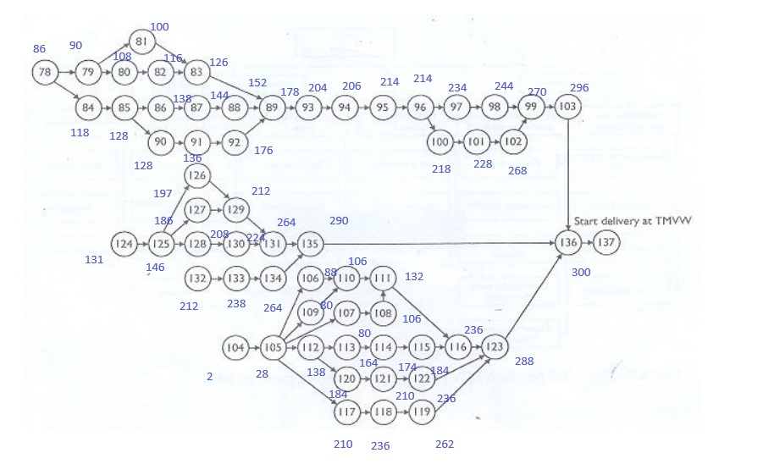
 |  | x0 | x124 | x125 | x126 | x127 | x128 | x129 | x130 | x131 | x132 | x133 | x134 | x135 | x136 | x137
 |  |  | 146 | 186 | 212 | 212 | 224 | 264 | 264 | 290 | 238 | 264 | 290 | 300 | 352 | 0
124 | First draft design | -1 | 1 | 0 | 0 | 0 | 0 | 0 | 0 | 0 | 0 | 0 | 0 | 0 | 0 | 0 | 146 | >= | 15
125 | Design | 0 | -1 | 1 | 0 | 0 | 0 | 0 | 0 | 0 | 0 | 0 | 0 | 0 | 0 | 0 | 40 | >= | 40
126 | Specification | 0 | 0 | -1 | 1 | 0 | 0 | 0 | 0 | 0 | 0 | 0 | 0 | 0 | 0 | 0 | 26 | >= | 15
127 | Obtain enviromental and building license | 0 | 0 | -1 | 0 | 1 | 0 | 0 | 0 | 0 | 0 | 0 | 0 | 0 | 0 | 0 | 26 | >= | 26
128 | Design and specification | 0 | 0 | -1 | 0 | 0 | 1 | 0 | 0 | 0 | 0 | 0 | 0 | 0 | 0 | 0 | 38 | >= | 16
129 | Realisation architecture | 0 | 0 | 0 | -1 | 0 | 0 | 1 | 0 | 0 | 0 | 0 | 0 | 0 | 0 | 0 | 52 | >= | 52
 |  | 0 | 0 | 0 | 0 | -1 | 0 | 1 | 0 | 0 | 0 | 0 | 0 | 0 | 0 | 0 | 52 | >= | 52
130 | Fabrication | 0 | 0 | 0 | 0 | 0 | -1 | 0 | 1 | 0 | 0 | 0 | 0 | 0 | 0 | 0 | 40 | >= | 40
131 | Execution of work | 0 | 0 | 0 | 0 | 0 | 0 | -1 | 0 | 1 | 0 | 0 | 0 | 0 | 0 | 0 | 26 | >= | 26
 |  | 0 | 0 | 0 | 0 | 0 | 0 | 0 | -1 | 1 | 0 | 0 | 0 | 0 | 0 | 0 | 26 | >= | 26
132 | Design | -1 | 0 | 0 | 0 | 0 | 0 | 0 | 0 | 0 | 1 | 0 | 0 | 0 | 0 | 0 | 238 | >= | 26
133 | Specification | 0 | 0 | 0 | 0 | 0 | 0 | 0 | 0 | 0 | -1 | 1 | 0 | 0 | 0 | 0 | 26 | >= | 26
134 | Realisation architecture | 0 | 0 | 0 | 0 | 0 | 0 | 0 | 0 | 0 | 0 | -1 | 1 | 0 | 0 | 0 | 26 | >= | 26
135 | Coming into operation | 0 | 0 | 0 | 0 | 0 | 0 | 0 | 0 | 0 | 0 | 0 | -1 | 1 | 0 | 0 | 10 | >= | 10
 |  | 0 | 0 | 0 | 0 | 0 | 0 | 0 | 0 | -1 | 0 | 0 | 0 | 1 | 0 | 0 | 10 | >= | 10
136 | Coming into operation (extra production) | 0 | 0 | 0 | 0 | 0 | 0 | 0 | 0 | 0 | 0 | 0 | 0 | -1 | 1 | 0 | 52 | >= | 52

136 | Coming into operation | x103 | x123 | x136
 |  | 300 | 300 | 352
 |  | -1 | 0 | 1 | 52 | >= | 52
 |  | 0 | -1 | 1 | 52 | >= | 52

