Summary
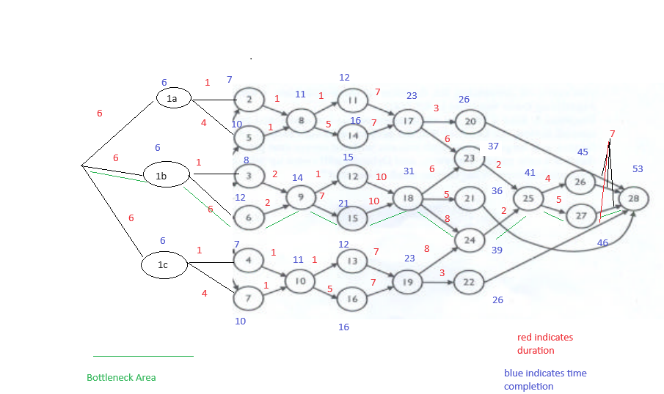
 | Mutum Bridge (A)
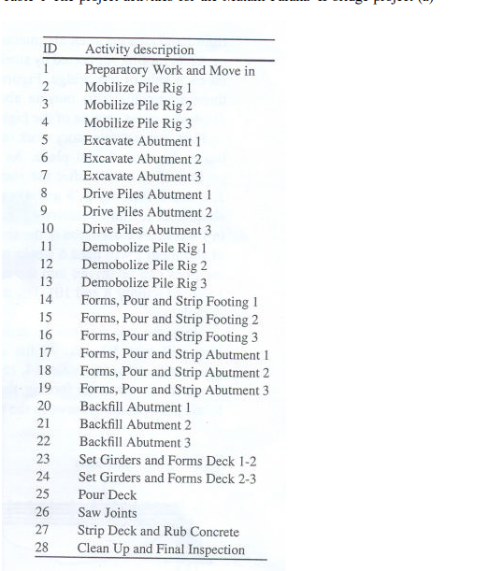
 | Start of project | Jan-12
 | End of Project(Target) | Apr-12

 | Duration of project | 56 weeks

 | Activity and their duration | As Shown in chart

 | Uncertainities

a | River Bank being unstable and abetment would take time from 6 to 21 weeks
b | Unavailabilty of cranes till april end(16 weeks) and alternative machines would cost 20000 per week(1in 15 chance)

Solution

 | Proposal | 1 | 2a | 2b | 2c | 3 | 3 | 4a | 4c
 | Activity | 27 | 5 | 6 | 7 | 18 | 18 | 20 | 22
 | Original Duration | 5 | 4 | 6 | 4 | 10 | 10 | 3 | 3
 | New Duration | 2 | 2 | 3 | 2 | 7 | 5 | 1.5 | 1.5
 | Cost | 4000 | 40000 | 40000 | 40000 | 1200000 | 2000000 | 400000 | 400000

 |  | Proposal
 | Delay | 1 | 2a | 2b | 2c | 3 | 3 | 4a | 4c | Target Duration | Cost during Crashing | Delay | Penalty (weeks) | Penalty | Extra Cost | For Actual Probabilty (refer Monte Carlo Stimulation)
Abetment 1 | 16 | 0 | 0 | 0 | 0 | 0 | 0 | 0 | 0 | 53 | 0 | -3 | 0 | 0 | 0
 | 21 | 1 | 1 | 0 | 0 | 0 | 0 | 0 | 0 | 55 | 44000 | -1 | 0 | 0 | 44000
Abetment2 | 16 | 1 | 0 | 1 | 0 | 1 | 0 | 0 | 0 | 56 | 1244000 | 0 | 0 | 0 | 1244000
 | 21 | 1 | 0 | 1 | 0 | 0 | 1 | 0 | 0 | 59 | 2044000 | 3 | 3 | 3600000 | 5644000
Abetment 3 | 16 | 0 | 0 | 0 | 0 | 0 | 0 | 0 | 0 | 55 | 0 | -1 | 0 | 0 | 0
 | 21 | 1 | 0 | 0 | 1 | 0 | 0 | 0 | 0 | 57 | 44000 | 1 | 1 | 1200000 | 1244000
Abetment 1&2 | 16 | 1 | 0 | 1 | 0 | 1 | 0 | 0 | 0 | 56 | 1244000 | 0 | 0 | 0 | 1244000
 | 21 | 1 | 0 | 1 | 0 | 0 | 1 | 0 | 0 | 59 | 2044000 | 3 | 3 | 3600000 | 5644000
Abetment 1&3 | 16 | 0 | 0 | 0 | 0 | 0 | 0 | 0 | 0 | 55 | 0 | -1 | 0 | 0 | 0
 | 21 | 1 | 0 | 0 | 1 | 0 | 0 | 0 | 0 | 57 | 44000 | 1 | 1 | 1200000 | 1244000
Abetment 2&3 | 16 | 1 | 0 | 1 | 1 | 1 | 0 | 0 | 0 | 56 | 1284000 | 0 | 0 | 0 | 1284000
 | 21 | 1 | 0 | 1 | 0 | 0 | 1 | 0 | 0 | 59 | 2044000 | 3 | 3 | 3600000 | 5644000
Abetment 1,2,3 | 16 | 1 | 0 | 1 | 1 | 1 | 0 | 0 | 0 | 56 | 1284000 | 0 | 0 | 0 | 1284000
 | 21 | 1 | 0 | 1 | 0 | 0 | 1 | 0 | 0 | 59 | 2044000 | 3 | 3 | 3600000 | 5644000

Case b
Except when Abetment 1,2 and 3 is being delayd because of ground activity, we will need to start project by week 9 to avoid penalty. Hence we require alternative machines for 16-9 ie 7 weeks
 | Penalty Amount | 1400000

 | Probality of it occuring all three Simultaeneously |  | 0.12

 | Probabilty of needing alternate machine |  | 0.058666666667

Abetment1
 |  |  |  | Activity Reduction | Status | x0 | x1a | x1b | x1c | x2 | x3 | x4 | x5 | x6 | x7 | x8 | x9 | x10 | x11 | x12 | x13 | x14 | x15 | x16 | x17 | x18 | x19 | x20 | x21 | x22 | x23 | x24 | x25 | x26 | x27 | x28
 |  |  | 16 weeks | Activities |  |  | 16 | 6 | 6 | 1 | 1 | 1 | 4 | 6 | 4 | 1 | 2 | 1 | 1 | 1 | 1 | 5 | 7 | 5 | 7 | 10 | 7 | 3 | 5 | 3 | 6 | 8 | 2 | 4 | 5 | 7
 |  |  | 21 weeks |  |  |  | 21 | 6 | 6 | 1 | 1 | 1 | 4 | 6 | 4 | 1 | 2 | 1 | 1 | 1 | 1 | 5 | 7 | 5 | 7 | 10 | 7 | 3 | 5 | 3 | 6 | 8 | 2 | 4 | 5 | 7

 |  | Proposal 1 | Proposal 2a | Proposal 2b | Proposal 2c | Proposal 3 | Proposal 4 a | Proposal 4 b | Proposal 4 c
 | Activity | 27 | 5 | 6 | 7 | 18 | 20 | 21 | 22
 | Crash Duration | 3 | 2 | 3 | 2 | 1*5 | 1.5 | 2.5 | 1.5
 | Cost | 8000 | 40000 | 40000 | 40000 | 400000*5 | 400000 | 400000 | 400000
 | Slope | 2666.6666667 | 20000 | 13333.333333 | 20000 | 400000 | 266666.66667 | 160000 | 266666.66667
 | Cost per week

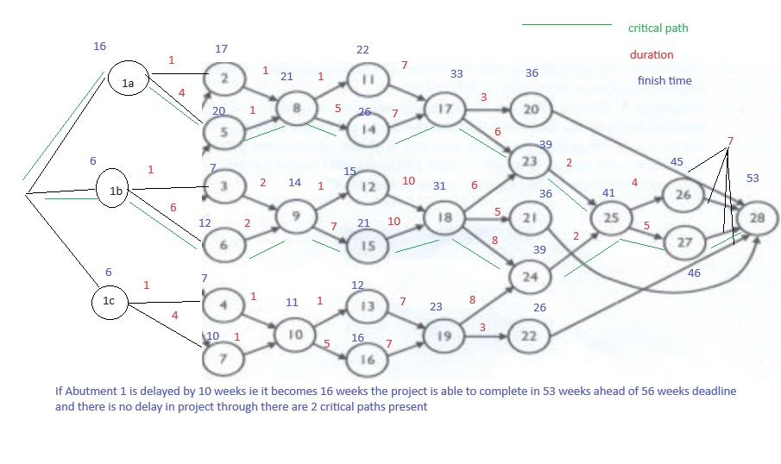
 |  |  |  |  | Use Proposal to reduce critical path
Sl No | Paths |  | Duration |  | Activity lies on critical path | Final Duration
1 | 1a-2-8-11-17-20-28 |  | 36
2 | 1a-2-8-11-17-23-25-26-28 |  | 45
3 | 12-2-8-11-17-23-25-27-28 |  | 46
4 | 1a-2-8-14-17-20-28 |  | 40
5 | 1a-2-8-14-17-23-25-26-28 |  | 49
6 | 12-2-8-14-17-23-25-27-28 |  | 50
7 | 1a-5-8-11-17-20-28 |  | 39
8 | 1a-5-8-11-17-23-25-26-28 |  | 48
9 | 12-5-8-11-17-23-25-27-28 |  | 49
10 | 1a-5-8-14-17-20-28 |  | 43
11 | 1a-5-8-14-17-23-25-26-28 |  | 52
12 | 12-5-8-14-17-23-25-27-28 |  | 53

13 | 1b-3-9-12-18-23-25-26-28 |  | 39
14 | 1b-3-9-12-18-23-25-27-28 |  | 40
15 | 1b-3-9-12-18-21-28 |  | 32
16 | 1b-3-9-12-18-24-25-26-28 |  | 41
17 | 1b-3-9-12-18-24-25-27-28 |  | 42
18 | 1b-3-9-15-18-23-25-26-28 |  | 45
19 | 1b-3-9-15-18-23-25-27-28 |  | 46
20 | 1b-3-9-15-18-21-28 |  | 38
21 | 1b-3-9-15-18-24-25-26-28 |  | 47
22 | 1b-3-9-15-18-24-25-27-28 |  | 48
23 | 1b-6-9-12-18-23-25-26-28 |  | 44
24 | 1b-6-9-12-18-23-25-27-28 |  | 45
25 | 1b-6-9-12-18-21-28 |  | 37
26 | 1b-6-9-12-18-24-25-26-28 |  | 46
27 | 1b-6-9-12-18-24-25-27-28 |  | 47
28 | 1b-6-9-15-18-23-25-26-28 |  | 50
29 | 1b-6-9-15-18-23-25-27-28 |  | 51
30 | 1b-6-9-15-18-21-28 |  | 43
31 | 1b-6-9-15-18-24-25-26-28 |  | 52
32 | 1b-6-9-15-18-24-25-27-28 |  | 53

33 | 1c-4-10-13-19-24-25-26-28 |  | 37
34 | 1c-4-10-13-19-24-25-27-28 |  | 38
35 | 1c-4-10-13-19-22-28 |  | 26
36 | 1c-4-10-16-19-24-25-26-28 |  | 41
37 | 1c-4-10-16-19-24-25-27-28 |  | 42
38 | 1c-4-10-16-19-22-28 |  | 30
39 | 1c-7-10-13-19-24-25-26-28 |  | 40
40 | 1c-7-10-13-19-24-25-27-28 |  | 41
41 | 1c-7-10-13-19-22-28 |  | 29
42 | 1c-7-10-16-19-24-25-26-28 |  | 44
43 | 1c-7-10-16-19-24-25-27-28 |  | 45
44 | 1c-7-10-16-19-22-28 |  | 33

 |  |  | 53

 | As the project duration is less than 56 weeks, hence we need not crash the activities

 |  |  |  |  | Use Proposal 1 to reduce critical path |  |  | Use Proposal 2a to reduce critical path
Sl No | Paths |  | Duration |  | Activity lies on critical path' | Final Duration |  | Activity lies on critical path' | Final Duration
1 | 1a-2-8-11-17-20-28 |  | 41 |  | 0 | 41 |  | 0 | 41
2 | 1a-2-8-11-17-23-25-26-28 |  | 50 |  | 0 | 50 |  | 0 | 50
3 | 12-2-8-11-17-23-25-27-28 |  | 51 |  | 1 | 48 |  | 0 | 48
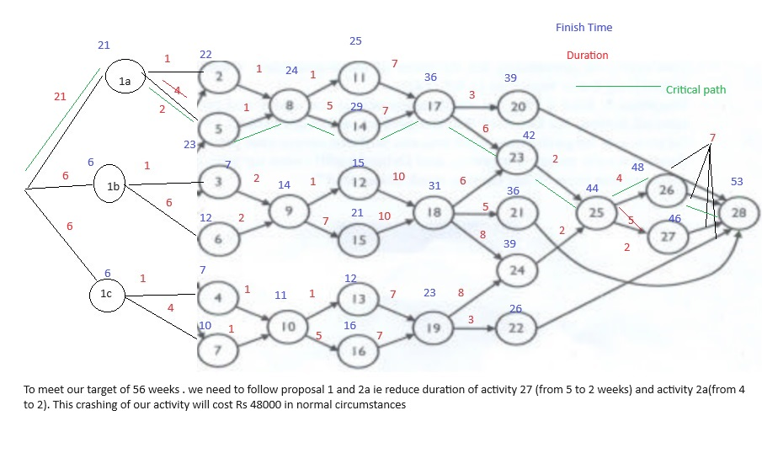
4 | 1a-2-8-14-17-20-28 |  | 45 |  | 0 | 45 |  | 0 | 45
5 | 1a-2-8-14-17-23-25-26-28 |  | 54 |  | 0 | 54 |  | 0 | 54
6 | 12-2-8-14-17-23-25-27-28 |  | 55 |  | 1 | 52 |  | 0 | 52
7 | 1a-5-8-11-17-20-28 |  | 44 |  | 0 | 44 |  | 1 | 42
8 | 1a-5-8-11-17-23-25-26-28 |  | 53 |  | 0 | 53 |  | 1 | 51
9 | 12-5-8-11-17-23-25-27-28 |  | 54 |  | 1 | 51 |  | 1 | 49
10 | 1a-5-8-14-17-20-28 |  | 48 |  | 0 | 48 |  | 1 | 46
11 | 1a-5-8-14-17-23-25-26-28 |  | 57 |  | 0 | 57 |  | 1 | 55
12 | 1a-5-8-14-17-23-25-27-28 |  | 58 |  | 1 | 55 |  | 1 | 53

13 | 1b-3-9-12-18-23-25-26-28 |  | 39 |  | 0 | 39 |  | 0 | 39
14 | 1b-3-9-12-18-23-25-27-28 |  | 40 |  | 1 | 37 |  | 0 | 37
15 | 1b-3-9-12-18-21-28 |  | 32 |  | 0 | 32 |  | 0 | 32
16 | 1b-3-9-12-18-24-25-26-28 |  | 41 |  | 0 | 41 |  | 0 | 41
17 | 1b-3-9-12-18-24-25-27-28 |  | 42 |  | 1 | 39 |  | 0 | 39
18 | 1b-3-9-15-18-23-25-26-28 |  | 45 |  | 0 | 45 |  | 0 | 45
19 | 1b-3-9-15-18-23-25-27-28 |  | 46 |  | 1 | 43 |  | 0 | 43
20 | 1b-3-9-15-18-21-28 |  | 38 |  | 0 | 38 |  | 0 | 38
21 | 1b-3-9-15-18-24-25-26-28 |  | 47 |  | 0 | 47 |  | 0 | 47
22 | 1b-3-9-15-18-24-25-27-28 |  | 48 |  | 1 | 45 |  | 0 | 45
23 | 1b-6-9-12-18-23-25-26-28 |  | 44 |  | 0 | 44 |  | 0 | 44
24 | 1b-6-9-12-18-23-25-27-28 |  | 45 |  | 1 | 42 |  | 0 | 42
25 | 1b-6-9-12-18-21-28 |  | 37 |  | 0 | 37 |  | 0 | 37
26 | 1b-6-9-12-18-24-25-26-28 |  | 46 |  | 0 | 46 |  | 0 | 46
27 | 1b-6-9-12-18-24-25-27-28 |  | 47 |  | 1 | 44 |  | 0 | 44
28 | 1b-6-9-15-18-23-25-26-28 |  | 50 |  | 0 | 50 |  | 0 | 50
29 | 1b-6-9-15-18-23-25-27-28 |  | 51 |  | 1 | 48 |  | 0 | 48
30 | 1b-6-9-15-18-21-28 |  | 43 |  | 0 | 43 |  | 0 | 43
31 | 1b-6-9-15-18-24-25-26-28 |  | 52 |  | 0 | 52 |  | 0 | 52
32 | 1b-6-9-15-18-24-25-27-28 |  | 53 |  | 1 | 50 |  | 0 | 50

33 | 1c-4-10-13-19-24-25-26-28 |  | 37 |  | 0 | 37 |  | 0 | 37
34 | 1c-4-10-13-19-24-25-27-28 |  | 38 |  | 1 | 35 |  | 0 | 35
35 | 1c-4-10-13-19-22-28 |  | 26 |  | 0 | 26 |  | 0 | 26
36 | 1c-4-10-16-19-24-25-26-28 |  | 41 |  | 0 | 41 |  | 0 | 41
37 | 1c-4-10-16-19-24-25-27-28 |  | 42 |  | 1 | 39 |  | 0 | 39
38 | 1c-4-10-16-19-22-28 |  | 30 |  | 0 | 30 |  | 0 | 30
39 | 1c-7-10-13-19-24-25-26-28 |  | 40 |  | 0 | 40 |  | 0 | 40
40 | 1c-7-10-13-19-24-25-27-28 |  | 41 |  | 1 | 38 |  | 0 | 38
41 | 1c-7-10-13-19-22-28 |  | 29 |  | 0 | 29 |  | 0 | 29
42 | 1c-7-10-16-19-24-25-26-28 |  | 44 |  | 0 | 44 |  | 0 | 44
43 | 1c-7-10-16-19-24-25-27-28 |  | 45 |  | 1 | 42 |  | 0 | 42
44 | 1c-7-10-16-19-22-28 |  | 33 |  | 0 | 33 |  | 0 | 33

 |  |  | 58 |  |  | 57 |  |  | 55

 | If Abetment 1 is delayed to 21 weeks, we need to crash activity 7 and activity 5, to reach deadline of 56 weeks. Cost duration is 48000

Abetment 2
 |  |  | Activity Reduction | Status | x0 | x1a | x1b | x1c | x2 | x3 | x4 | x5 | x6 | x7 | x8 | x9 | x10 | x11 | x12 | x13 | x14 | x15 | x16 | x17 | x18 | x19 | x20 | x21 | x22 | x23 | x24 | x25 | x26 | x27 | x28
 |  | 16 weeks | Activities |  |  | 6 | 16 | 6 | 1 | 1 | 1 | 4 | 6 | 4 | 1 | 2 | 1 | 1 | 1 | 1 | 5 | 7 | 5 | 7 | 10 | 7 | 3 | 5 | 3 | 6 | 8 | 2 | 4 | 5 | 7
 |  | 21 weeks |  |  |  | 6 | 21 | 6 | 1 | 1 | 1 | 4 | 6 | 4 | 1 | 2 | 1 | 1 | 1 | 1 | 5 | 7 | 5 | 7 | 10 | 7 | 3 | 5 | 3 | 6 | 8 | 2 | 4 | 5 | 7

 |  | Proposal 1 | Proposal 2a | Proposal 2b | Proposal 2c | Proposal 3 | Proposal 4 a | Proposal 4 b | Proposal 4 c
 | Activity | 27 | 5 | 6 | 7 | 18 | 20 | 21 | 22
 | Crash Duration | 3 | 2 | 3 | 2 | 1*5 | 1.5 | 2.5 | 1.5
 | Cost | 8000 | 40000 | 40000 | 40000 | 400000*5 | 400000 | 400000 | 400000
 | Slope | 2666.6666667 | 20000 | 13333.333333 | 20000 | 400000 | 266666.66667 | 160000 | 266666.66667
 | Cost per week

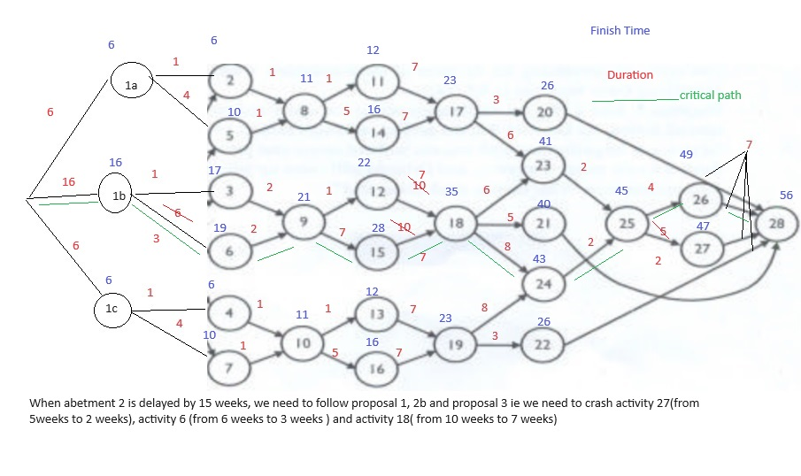
 |  |  |  |  | Use Proposal1 to reduce critical path |  | Use Proposal 2b to reduce critical path |  | Use Proposal 3to reduce critical path
Sl No | Paths |  | Duration |  | Activity lies on critical path' | Final Duration | Activity lies on critical path' | Final Duration | Activity lies on critical path' | Final Duration
1 | 1a-2-8-11-17-20-28 |  | 26 |  | 0 | 26 | 0 | 26 | 0 | 26
2 | 1a-2-8-11-17-23-25-26-28 |  | 35 |  | 0 | 35 | 0 | 35 | 0 | 35
3 | 12-2-8-11-17-23-25-27-28 |  | 36 |  | 1 | 33 | 0 | 33 | 0 | 33
4 | 1a-2-8-14-17-20-28 |  | 30 |  | 0 | 30 | 0 | 30 | 0 | 30
5 | 1a-2-8-14-17-23-25-26-28 |  | 39 |  | 0 | 39 | 0 | 39 | 0 | 39
6 | 12-2-8-14-17-23-25-27-28 |  | 40 |  | 1 | 37 | 0 | 37 | 0 | 37
7 | 1a-5-8-11-17-20-28 |  | 29 |  | 0 | 29 | 0 | 29 | 0 | 29
8 | 1a-5-8-11-17-23-25-26-28 |  | 38 |  | 0 | 38 | 0 | 38 | 0 | 38
9 | 12-5-8-11-17-23-25-27-28 |  | 39 |  | 1 | 36 | 0 | 36 | 0 | 36
10 | 1a-5-8-14-17-20-28 |  | 33 |  | 0 | 33 | 0 | 33 | 0 | 33
11 | 1a-5-8-14-17-23-25-26-28 |  | 42 |  | 0 | 42 | 0 | 42 | 0 | 42
12 | 12-5-8-14-17-23-25-27-28 |  | 43 |  | 1 | 40 | 0 | 40 | 0 | 40

13 | 1b-3-9-12-18-23-25-26-28 |  | 49 |  | 0 | 49 | 0 | 49 | 1 | 46
14 | 1b-3-9-12-18-23-25-27-28 |  | 50 |  | 1 | 47 | 0 | 47 | 1 | 44
15 | 1b-3-9-12-18-21-28 |  | 42 |  | 0 | 42 | 0 | 42 | 1 | 39
16 | 1b-3-9-12-18-24-25-26-28 |  | 51 |  | 0 | 51 | 0 | 51 | 1 | 48
17 | 1b-3-9-12-18-24-25-27-28 |  | 52 |  | 1 | 49 | 0 | 49 | 1 | 46
18 | 1b-3-9-15-18-23-25-26-28 |  | 55 |  | 0 | 55 | 0 | 55 | 1 | 52
19 | 1b-3-9-15-18-23-25-27-28 |  | 56 |  | 1 | 53 | 0 | 53 | 1 | 50
20 | 1b-3-9-15-18-21-28 |  | 48 |  | 0 | 48 | 0 | 48 | 1 | 45
21 | 1b-3-9-15-18-24-25-26-28 |  | 57 |  | 0 | 57 | 0 | 57 | 1 | 54
22 | 1b-3-9-15-18-24-25-27-28 |  | 58 |  | 1 | 55 | 0 | 55 | 1 | 52
23 | 1b-6-9-12-18-23-25-26-28 |  | 54 |  | 0 | 54 | 1 | 51 | 1 | 48
24 | 1b-6-9-12-18-23-25-27-28 |  | 55 |  | 1 | 52 | 1 | 49 | 1 | 46
25 | 1b-6-9-12-18-21-28 |  | 47 |  | 0 | 47 | 1 | 44 | 1 | 41
26 | 1b-6-9-12-18-24-25-26-28 |  | 56 |  | 0 | 56 | 1 | 53 | 1 | 50
27 | 1b-6-9-12-18-24-25-27-28 |  | 57 |  | 1 | 54 | 1 | 51 | 1 | 48
28 | 1b-6-9-15-18-23-25-26-28 |  | 60 |  | 0 | 60 | 1 | 57 | 1 | 54
29 | 1b-6-9-15-18-23-25-27-28 |  | 61 |  | 1 | 58 | 1 | 55 | 1 | 52
30 | 1b-6-9-15-18-21-28 |  | 53 |  | 0 | 53 | 1 | 50 | 1 | 47
31 | 1b-6-9-15-18-24-25-26-28 |  | 62 |  | 0 | 62 | 1 | 59 | 1 | 56
32 | 1b-6-9-15-18-24-25-27-28 |  | 63 |  | 1 | 60 | 1 | 57 | 1 | 54

33 | 1c-4-10-13-19-24-25-26-28 |  | 37 |  | 0 | 37 | 0 | 37 | 0 | 37
34 | 1c-4-10-13-19-24-25-27-28 |  | 38 |  | 1 | 35 | 0 | 35 | 0 | 35
35 | 1c-4-10-13-19-22-28 |  | 26 |  | 0 | 26 | 0 | 26 | 0 | 26
36 | 1c-4-10-16-19-24-25-26-28 |  | 41 |  | 0 | 41 | 0 | 41 | 0 | 41
37 | 1c-4-10-16-19-24-25-27-28 |  | 42 |  | 1 | 39 | 0 | 39 | 0 | 39
38 | 1c-4-10-16-19-22-28 |  | 30 |  | 0 | 30 | 0 | 30 | 0 | 30
39 | 1c-7-10-13-19-24-25-26-28 |  | 40 |  | 0 | 40 | 0 | 40 | 0 | 40
40 | 1c-7-10-13-19-24-25-27-28 |  | 41 |  | 1 | 38 | 0 | 38 | 0 | 38
41 | 1c-7-10-13-19-22-28 |  | 29 |  | 0 | 29 | 0 | 29 | 0 | 29
42 | 1c-7-10-16-19-24-25-26-28 |  | 44 |  | 0 | 44 | 0 | 44 | 0 | 44
43 | 1c-7-10-16-19-24-25-27-28 |  | 45 |  | 1 | 42 | 0 | 42 | 0 | 42
44 | 1c-7-10-16-19-22-28 |  | 33 |  | 0 | 33 | 0 | 33 | 0 | 33

 |  |  | 63 |  |  | 62 |  | 59 |  | 56
 | If abetment 2 is delayed by 10weeks, we need to crash activity 27, activity 6 and activity 18 by 3 weeks to achieve our target and increase our cost by 1248000 (8000+40000+400000*)

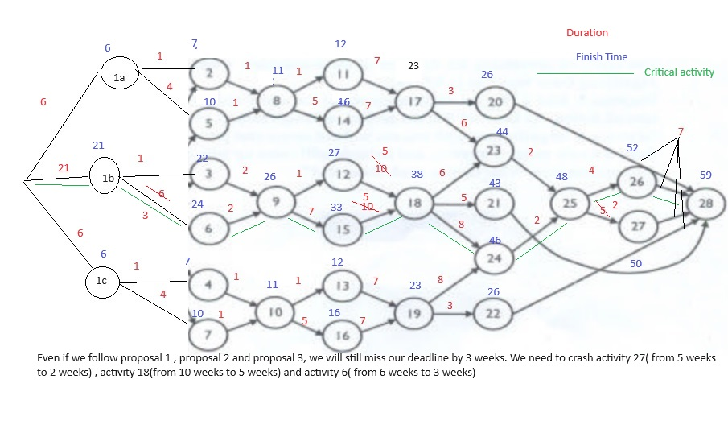
 |  |  |  |  | Use Proposal1 to reduce critical path |  | Use Proposal 2b to reduce critical path |  | Use Proposal 3to reduce critical path
Sl No | Paths |  | Duration |  | Activity lies on critical path' | Final Duration | Activity lies on critical path' | Final Duration | Activity lies on critical path' | Final Duration
1 | 1a-2-8-11-17-20-28 |  | 26 |  | 0 | 26 | 0 | 26 | 0 | 26
2 | 1a-2-8-11-17-23-25-26-28 |  | 35 |  | 0 | 35 | 0 | 35 | 0 | 35
3 | 12-2-8-11-17-23-25-27-28 |  | 36 |  | 1 | 33 | 0 | 33 | 0 | 33
4 | 1a-2-8-14-17-20-28 |  | 30 |  | 0 | 30 | 0 | 30 | 0 | 30
5 | 1a-2-8-14-17-23-25-26-28 |  | 39 |  | 0 | 39 | 0 | 39 | 0 | 39
6 | 12-2-8-14-17-23-25-27-28 |  | 40 |  | 1 | 37 | 0 | 37 | 0 | 37
7 | 1a-5-8-11-17-20-28 |  | 29 |  | 0 | 29 | 0 | 29 | 0 | 29
8 | 1a-5-8-11-17-23-25-26-28 |  | 38 |  | 0 | 38 | 0 | 38 | 0 | 38
9 | 12-5-8-11-17-23-25-27-28 |  | 39 |  | 1 | 36 | 0 | 36 | 0 | 36
10 | 1a-5-8-14-17-20-28 |  | 33 |  | 0 | 33 | 0 | 33 | 0 | 33
11 | 1a-5-8-14-17-23-25-26-28 |  | 42 |  | 0 | 42 | 0 | 42 | 0 | 42
12 | 1a-5-8-14-17-23-25-27-28 |  | 43 |  | 1 | 40 | 0 | 40 | 0 | 40

13 | 1b-3-9-12-18-23-25-26-28 |  | 54 |  | 0 | 54 | 0 | 54 | 1 | 49
14 | 1b-3-9-12-18-23-25-27-28 |  | 55 |  | 1 | 52 | 0 | 52 | 1 | 47
15 | 1b-3-9-12-18-21-28 |  | 47 |  | 0 | 47 | 0 | 47 | 1 | 42
16 | 1b-3-9-12-18-24-25-26-28 |  | 56 |  | 0 | 56 | 0 | 56 | 1 | 51
17 | 1b-3-9-12-18-24-25-27-28 |  | 57 |  | 1 | 54 | 0 | 54 | 1 | 49
18 | 1b-3-9-15-18-23-25-26-28 |  | 60 |  | 0 | 60 | 0 | 60 | 1 | 55
19 | 1b-3-9-15-18-23-25-27-28 |  | 61 |  | 1 | 58 | 0 | 58 | 1 | 53
20 | 1b-3-9-15-18-21-28 |  | 53 |  | 0 | 53 | 0 | 53 | 1 | 48
21 | 1b-3-9-15-18-24-25-26-28 |  | 62 |  | 0 | 62 | 0 | 62 | 1 | 57
22 | 1b-3-9-15-18-24-25-27-28 |  | 63 |  | 1 | 60 | 0 | 60 | 1 | 55
23 | 1b-6-9-12-18-23-25-26-28 |  | 59 |  | 0 | 59 | 1 | 56 | 1 | 51
24 | 1b-6-9-12-18-23-25-27-28 |  | 60 |  | 1 | 57 | 1 | 54 | 1 | 49
25 | 1b-6-9-12-18-21-28 |  | 52 |  | 0 | 52 | 1 | 49 | 1 | 44
26 | 1b-6-9-12-18-24-25-26-28 |  | 61 |  | 0 | 61 | 1 | 58 | 1 | 53
27 | 1b-6-9-12-18-24-25-27-28 |  | 62 |  | 1 | 59 | 1 | 56 | 1 | 51
28 | 1b-6-9-15-18-23-25-26-28 |  | 65 |  | 0 | 65 | 1 | 62 | 1 | 57
29 | 1b-6-9-15-18-23-25-27-28 |  | 66 |  | 1 | 63 | 1 | 60 | 1 | 55
30 | 1b-6-9-15-18-21-28 |  | 58 |  | 0 | 58 | 1 | 55 | 1 | 50
31 | 1b-6-9-15-18-24-25-26-28 |  | 67 |  | 0 | 67 | 1 | 64 | 1 | 59
32 | 1b-6-9-15-18-24-25-27-28 |  | 68 |  | 1 | 65 | 1 | 62 | 1 | 57

33 | 1c-4-10-13-19-24-25-26-28 |  | 37 |  | 0 | 37 | 0 | 37 | 0 | 37
34 | 1c-4-10-13-19-24-25-27-28 |  | 38 |  | 1 | 35 | 0 | 35 | 0 | 35
35 | 1c-4-10-13-19-22-28 |  | 26 |  | 0 | 26 | 0 | 26 | 0 | 26
36 | 1c-4-10-16-19-24-25-26-28 |  | 41 |  | 0 | 41 | 0 | 41 | 0 | 41
37 | 1c-4-10-16-19-24-25-27-28 |  | 42 |  | 1 | 39 | 0 | 39 | 0 | 39
38 | 1c-4-10-16-19-22-28 |  | 30 |  | 0 | 30 | 0 | 30 | 0 | 30
39 | 1c-7-10-13-19-24-25-26-28 |  | 40 |  | 0 | 40 | 0 | 40 | 0 | 40
40 | 1c-7-10-13-19-24-25-27-28 |  | 41 |  | 1 | 38 | 0 | 38 | 0 | 38
41 | 1c-7-10-13-19-22-28 |  | 29 |  | 0 | 29 | 0 | 29 | 0 | 29
42 | 1c-7-10-16-19-24-25-26-28 |  | 44 |  | 0 | 44 | 0 | 44 | 0 | 44
43 | 1c-7-10-16-19-24-25-27-28 |  | 45 |  | 1 | 42 | 0 | 42 | 0 | 42
44 | 1c-7-10-16-19-22-28 |  | 33 |  | 0 | 33 | 0 | 33 | 0 | 33

 |  |  | 68 |  |  | 67 |  | 64 |  | 59

 | If abetment 2 is delayed by 15weeks, we need to crash activity 27, activity 6 and activity 18 by 5 weeks . We will miss ur target by 3 weeks. Our cost is increase by 2048000(8000+40000+400000*5)

Abetment 3
 | Activity Reduction |  | Activity Reduction | Status | x0 | x1a | x1b | x1c | x2 | x3 | x4 | x5 | x6 | x7 | x8 | x9 | x10 | x11 | x12 | x13 | x14 | x15 | x16 | x17 | x18 | x19 | x20 | x21 | x22 | x23 | x24 | x25 | x26 | x27 | x28
 |  | 16 weeks | Activities |  |  | 6 | 6 | 16 | 1 | 1 | 1 | 4 | 6 | 4 | 1 | 2 | 1 | 1 | 1 | 1 | 5 | 7 | 5 | 7 | 10 | 7 | 3 | 5 | 3 | 6 | 8 | 2 | 4 | 5 | 7
 |  | 21 weeks |  |  |  | 6 | 6 | 21 | 1 | 1 | 1 | 4 | 6 | 4 | 1 | 2 | 1 | 1 | 1 | 1 | 5 | 7 | 5 | 7 | 10 | 7 | 3 | 5 | 3 | 6 | 8 | 2 | 4 | 5 | 7

 |  | Proposal 1 | Proposal 2a | Proposal 2b | Proposal 2c | Proposal 3 | Proposal 4 a | Proposal 4 b | Proposal 4 c
 | Activity | 27 | 5 | 6 | 7 | 18 | 20 | 21 | 22
 | Crash Duration | 3 | 2 | 3 | 2 | 1*5 | 1.5 | 2.5 | 1.5
 | Cost | 8000 | 40000 | 40000 | 40000 | 400000*5 | 400000 | 400000 | 400000
 | Slope | 2666.6666667 | 20000 | 13333.333333 | 20000 | 400000 | 266666.66667 | 160000 | 266666.66667
 | Cost per week

 |  |  |  |  | Use Proposal to reduce critical path |  | Use Proposal to reduce critical path
Sl No | Paths |  | Duration |  | Activity lies on critical path' | Final Duration | Activity lies on critical path' | Final Duration
1 | 1a-2-8-11-17-20-28 |  | 26
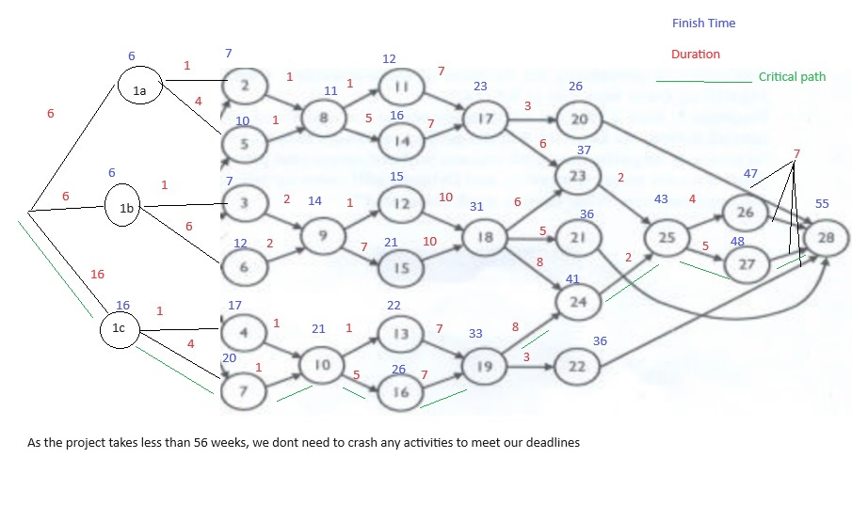
2 | 1a-2-8-11-17-23-25-26-28 |  | 35
3 | 12-2-8-11-17-23-25-27-28 |  | 36
4 | 1a-2-8-14-17-20-28 |  | 30
5 | 1a-2-8-14-17-23-25-26-28 |  | 39
6 | 12-2-8-14-17-23-25-27-28 |  | 40
7 | 1a-5-8-11-17-20-28 |  | 29
8 | 1a-5-8-11-17-23-25-26-28 |  | 38
9 | 12-5-8-11-17-23-25-27-28 |  | 39
10 | 1a-5-8-14-17-20-28 |  | 33
11 | 1a-5-8-14-17-23-25-26-28 |  | 42
12 | 12-5-8-14-17-23-25-27-28 |  | 43

13 | 1b-3-9-12-18-23-25-26-28 |  | 39
14 | 1b-3-9-12-18-23-25-27-28 |  | 40
15 | 1b-3-9-12-18-21-28 |  | 32
16 | 1b-3-9-12-18-24-25-26-28 |  | 41
17 | 1b-3-9-12-18-24-25-27-28 |  | 42
18 | 1b-3-9-15-18-23-25-26-28 |  | 45
19 | 1b-3-9-15-18-23-25-27-28 |  | 46
20 | 1b-3-9-15-18-21-28 |  | 38
21 | 1b-3-9-15-18-24-25-26-28 |  | 47
22 | 1b-3-9-15-18-24-25-27-28 |  | 48
23 | 1b-6-9-12-18-23-25-26-28 |  | 44
24 | 1b-6-9-12-18-23-25-27-28 |  | 45
25 | 1b-6-9-12-18-21-28 |  | 37
26 | 1b-6-9-12-18-24-25-26-28 |  | 46
27 | 1b-6-9-12-18-24-25-27-28 |  | 47
28 | 1b-6-9-15-18-23-25-26-28 |  | 50
29 | 1b-6-9-15-18-23-25-27-28 |  | 51
30 | 1b-6-9-15-18-21-28 |  | 43
31 | 1b-6-9-15-18-24-25-26-28 |  | 52
32 | 1b-6-9-15-18-24-25-27-28 |  | 53

33 | 1c-4-10-13-19-24-25-26-28 |  | 47
34 | 1c-4-10-13-19-24-25-27-28 |  | 48
35 | 1c-4-10-13-19-22-28 |  | 36
36 | 1c-4-10-16-19-24-25-26-28 |  | 51
37 | 1c-4-10-16-19-24-25-27-28 |  | 52
38 | 1c-4-10-16-19-22-28 |  | 40
39 | 1c-7-10-13-19-24-25-26-28 |  | 50
40 | 1c-7-10-13-19-24-25-27-28 |  | 51
41 | 1c-7-10-13-19-22-28 |  | 39
42 | 1c-7-10-16-19-24-25-26-28 |  | 54
43 | 1c-7-10-16-19-24-25-27-28 |  | 55
44 | 1c-7-10-16-19-22-28 |  | 43

 |  |  | 55

 | As the project can be completed in less than 56 weeks, we don’t need to crash the project

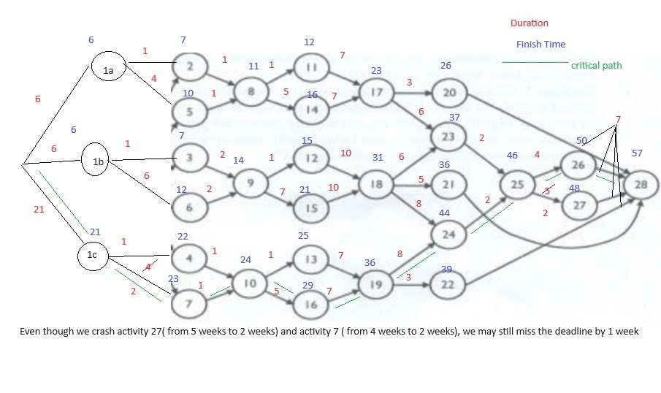
 |  |  |  |  | Use Proposal 1 to reduce critical path |  | Use Proposal 2c to reduce critical path
Sl No | Paths |  | Duration |  | Activity lies on critical path' | Final Duration | Activity lies on critical path' | Final Duration
1 | 1a-2-8-11-17-20-28 |  | 26 |  | 0 | 26 | 0 | 26
2 | 1a-2-8-11-17-23-25-26-28 |  | 35 |  | 0 | 35 | 0 | 35
3 | 12-2-8-11-17-23-25-27-28 |  | 36 |  | 1 | 33 | 0 | 33
4 | 1a-2-8-14-17-20-28 |  | 30 |  | 0 | 30 | 0 | 30
5 | 1a-2-8-14-17-23-25-26-28 |  | 39 |  | 0 | 39 | 0 | 39
6 | 12-2-8-14-17-23-25-27-28 |  | 40 |  | 1 | 37 | 0 | 37
7 | 1a-5-8-11-17-20-28 |  | 29 |  | 0 | 29 | 0 | 29
8 | 1a-5-8-11-17-23-25-26-28 |  | 38 |  | 0 | 38 | 0 | 38
9 | 12-5-8-11-17-23-25-27-28 |  | 39 |  | 1 | 36 | 0 | 36
10 | 1a-5-8-14-17-20-28 |  | 33 |  | 0 | 33 | 0 | 33
11 | 1a-5-8-14-17-23-25-26-28 |  | 42 |  | 0 | 42 | 0 | 42
12 | 1a-5-8-14-17-23-25-27-28 |  | 43 |  | 1 | 40 | 0 | 40

13 | 1b-3-9-12-18-23-25-26-28 |  | 39 |  | 0 | 39 | 0 | 39
14 | 1b-3-9-12-18-23-25-27-28 |  | 40 |  | 1 | 37 | 0 | 37
15 | 1b-3-9-12-18-21-28 |  | 32 |  | 0 | 32 | 0 | 32
16 | 1b-3-9-12-18-24-25-26-28 |  | 41 |  | 0 | 41 | 0 | 41
17 | 1b-3-9-12-18-24-25-27-28 |  | 42 |  | 1 | 39 | 0 | 39
18 | 1b-3-9-15-18-23-25-26-28 |  | 45 |  | 0 | 45 | 0 | 45
19 | 1b-3-9-15-18-23-25-27-28 |  | 46 |  | 1 | 43 | 0 | 43
20 | 1b-3-9-15-18-21-28 |  | 38 |  | 0 | 38 | 0 | 38
21 | 1b-3-9-15-18-24-25-26-28 |  | 47 |  | 0 | 47 | 0 | 47
22 | 1b-3-9-15-18-24-25-27-28 |  | 48 |  | 1 | 45 | 0 | 45
23 | 1b-6-9-12-18-23-25-26-28 |  | 44 |  | 0 | 44 | 0 | 44
24 | 1b-6-9-12-18-23-25-27-28 |  | 45 |  | 1 | 42 | 0 | 42
25 | 1b-6-9-12-18-21-28 |  | 37 |  | 0 | 37 | 0 | 37
26 | 1b-6-9-12-18-24-25-26-28 |  | 46 |  | 0 | 46 | 0 | 46
27 | 1b-6-9-12-18-24-25-27-28 |  | 47 |  | 1 | 44 | 0 | 44
28 | 1b-6-9-15-18-23-25-26-28 |  | 50 |  | 0 | 50 | 0 | 50
29 | 1b-6-9-15-18-23-25-27-28 |  | 51 |  | 1 | 48 | 0 | 48
30 | 1b-6-9-15-18-21-28 |  | 43 |  | 0 | 43 | 0 | 43
31 | 1b-6-9-15-18-24-25-26-28 |  | 52 |  | 0 | 52 | 0 | 52
32 | 1b-6-9-15-18-24-25-27-28 |  | 53 |  | 1 | 50 | 0 | 50

33 | 1c-4-10-13-19-24-25-26-28 |  | 52 |  | 0 | 52 | 1 | 50
34 | 1c-4-10-13-19-24-25-27-28 |  | 53 |  | 1 | 50 | 1 | 48
35 | 1c-4-10-13-19-22-28 |  | 41 |  | 0 | 41 | 1 | 39
36 | 1c-4-10-16-19-24-25-26-28 |  | 56 |  | 0 | 56 | 1 | 54
37 | 1c-4-10-16-19-24-25-27-28 |  | 57 |  | 1 | 54 | 1 | 52
38 | 1c-4-10-16-19-22-28 |  | 45 |  | 0 | 45 | 1 | 43
39 | 1c-7-10-13-19-24-25-26-28 |  | 55 |  | 0 | 55 | 1 | 53
40 | 1c-7-10-13-19-24-25-27-28 |  | 56 |  | 1 | 53 | 1 | 51
41 | 1c-7-10-13-19-22-28 |  | 44 |  | 0 | 44 | 1 | 42
42 | 1c-7-10-16-19-24-25-26-28 |  | 59 |  | 0 | 59 | 1 | 57
43 | 1c-7-10-16-19-24-25-27-28 |  | 60 |  | 1 | 57 | 1 | 55
44 | 1c-7-10-16-19-22-28 |  | 48 |  | 0 | 48 | 1 | 46

 |  |  | 60 |  |  | 59 |  | 57

 | If Abetment 3 is delayed to 21 weeks, we need to crash activity 27 and activity 5, and miss our deadline by 1 week. Cost duration is 48000

Abetment 1 & 2
 |  |  |  | Activity Reduction | Status | x0 | x1a | x1b | x1c | x2 | x3 | x4 | x5 | x6 | x7 | x8 | x9 | x10 | x11 | x12 | x13 | x14 | x15 | x16 | x17 | x18 | x19 | x20 | x21 | x22 | x23 | x24 | x25 | x26 | x27 | x28
 |  |  | 16 weeks | Activities |  |  | 16 | 16 | 6 | 1 | 1 | 1 | 4 | 6 | 4 | 1 | 2 | 1 | 1 | 1 | 1 | 5 | 7 | 5 | 7 | 10 | 7 | 3 | 5 | 3 | 6 | 8 | 2 | 4 | 5 | 7
 |  |  | 21 weeks |  |  |  | 21 | 21 | 6 | 1 | 1 | 1 | 4 | 6 | 4 | 1 | 2 | 1 | 1 | 1 | 1 | 5 | 7 | 5 | 7 | 10 | 7 | 3 | 5 | 3 | 6 | 8 | 2 | 4 | 5 | 7

 |  | Proposal 1 | Proposal 2a | Proposal 2b | Proposal 2c | Proposal 3 | Proposal 4 a | Proposal 4 b | Proposal 4 c
 | Activity | 27 | 5 | 6 | 7 | 18 | 20 | 21 | 22
 | Crash Duration | 3 | 2 | 3 | 2 | 1*5 | 1.5 | 2.5 | 1.5
 | Cost | 8000 | 40000 | 40000 | 40000 | 400000*5 | 400000 | 400000 | 400000
 | Slope | 2666.6666667 | 20000 | 13333.333333 | 20000 | 400000 | 266666.66667 | 160000 | 266666.66667
 | Cost per week

 |  |  |  |  | Use Proposal1 to reduce critical path |  |  | Use Proposal 2bto reduce critical path |  |  | Use Proposal 3 to reduce critical path
Sl No | Paths |  | Duration |  | Activity lies on critical path' | Final Duration |  | Activity lies on critical path' | Final Duration |  | Activity lies on critical path' | Final Duration
1 | 1a-2-8-11-17-20-28 |  | 36 |  | 0 | 36 |  | 0 | 36 |  | 0 | 36
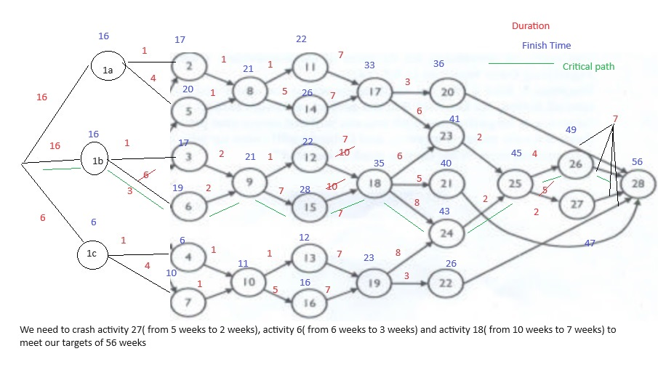
2 | 1a-2-8-11-17-23-25-26-28 |  | 45 |  | 0 | 45 |  | 0 | 45 |  | 0 | 45
3 | 12-2-8-11-17-23-25-27-28 |  | 46 |  | 1 | 43 |  | 0 | 43 |  | 0 | 43
4 | 1a-2-8-14-17-20-28 |  | 40 |  | 0 | 40 |  | 0 | 40 |  | 0 | 40
5 | 1a-2-8-14-17-23-25-26-28 |  | 49 |  | 0 | 49 |  | 0 | 49 |  | 0 | 49
6 | 12-2-8-14-17-23-25-27-28 |  | 50 |  | 1 | 47 |  | 0 | 47 |  | 0 | 47
7 | 1a-5-8-11-17-20-28 |  | 39 |  | 0 | 39 |  | 0 | 39 |  | 0 | 39
8 | 1a-5-8-11-17-23-25-26-28 |  | 48 |  | 0 | 48 |  | 0 | 48 |  | 0 | 48
9 | 12-5-8-11-17-23-25-27-28 |  | 49 |  | 1 | 46 |  | 0 | 46 |  | 0 | 46
10 | 1a-5-8-14-17-20-28 |  | 43 |  | 0 | 43 |  | 0 | 43 |  | 0 | 43
11 | 1a-5-8-14-17-23-25-26-28 |  | 52 |  | 0 | 52 |  | 0 | 52 |  | 0 | 52
12 | 12-5-8-14-17-23-25-27-28 |  | 53 |  | 1 | 50 |  | 0 | 50 |  | 0 | 50

13 | 1b-3-9-12-18-23-25-26-28 |  | 49 |  | 0 | 49 |  | 1 | 46 |  | 1 | 43
14 | 1b-3-9-12-18-23-25-27-28 |  | 50 |  | 1 | 47 |  | 1 | 44 |  | 1 | 41
15 | 1b-3-9-12-18-21-28 |  | 42 |  | 0 | 42 |  | 1 | 39 |  | 1 | 36
16 | 1b-3-9-12-18-24-25-26-28 |  | 51 |  | 0 | 51 |  | 1 | 48 |  | 1 | 45
17 | 1b-3-9-12-18-24-25-27-28 |  | 52 |  | 1 | 49 |  | 1 | 46 |  | 1 | 43
18 | 1b-3-9-15-18-23-25-26-28 |  | 55 |  | 0 | 55 |  | 1 | 52 |  | 1 | 49
19 | 1b-3-9-15-18-23-25-27-28 |  | 56 |  | 1 | 53 |  | 1 | 50 |  | 1 | 47
20 | 1b-3-9-15-18-21-28 |  | 48 |  | 0 | 48 |  | 1 | 45 |  | 1 | 42
21 | 1b-3-9-15-18-24-25-26-28 |  | 57 |  | 0 | 57 |  | 1 | 54 |  | 1 | 51
22 | 1b-3-9-15-18-24-25-27-28 |  | 58 |  | 1 | 55 |  | 1 | 52 |  | 1 | 49
23 | 1b-6-9-12-18-23-25-26-28 |  | 54 |  | 0 | 54 |  | 1 | 51 |  | 1 | 48
24 | 1b-6-9-12-18-23-25-27-28 |  | 55 |  | 1 | 52 |  | 1 | 49 |  | 1 | 46
25 | 1b-6-9-12-18-21-28 |  | 47 |  | 0 | 47 |  | 1 | 44 |  | 1 | 41
26 | 1b-6-9-12-18-24-25-26-28 |  | 56 |  | 0 | 56 |  | 1 | 53 |  | 1 | 50
27 | 1b-6-9-12-18-24-25-27-28 |  | 57 |  | 1 | 54 |  | 1 | 51 |  | 1 | 48
28 | 1b-6-9-15-18-23-25-26-28 |  | 60 |  | 0 | 60 |  | 1 | 57 |  | 1 | 54
29 | 1b-6-9-15-18-23-25-27-28 |  | 61 |  | 1 | 58 |  | 1 | 55 |  | 1 | 52
30 | 1b-6-9-15-18-21-28 |  | 53 |  | 0 | 53 |  | 1 | 50 |  | 1 | 47
31 | 1b-6-9-15-18-24-25-26-28 |  | 62 |  | 0 | 62 |  | 1 | 59 |  | 1 | 56
32 | 1b-6-9-15-18-24-25-27-28 |  | 63 |  | 1 | 60 |  | 1 | 57 |  | 1 | 54

33 | 1c-4-10-13-19-24-25-26-28 |  | 37 |  | 0 | 37 |  | 0 | 37 |  | 0 | 37
34 | 1c-4-10-13-19-24-25-27-28 |  | 38 |  | 1 | 35 |  | 0 | 35 |  | 0 | 35
35 | 1c-4-10-13-19-22-28 |  | 26 |  | 0 | 26 |  | 0 | 26 |  | 0 | 26
36 | 1c-4-10-16-19-24-25-26-28 |  | 41 |  | 0 | 41 |  | 0 | 41 |  | 0 | 41
37 | 1c-4-10-16-19-24-25-27-28 |  | 42 |  | 1 | 39 |  | 0 | 39 |  | 0 | 39
38 | 1c-4-10-16-19-22-28 |  | 30 |  | 0 | 30 |  | 0 | 30 |  | 0 | 30
39 | 1c-7-10-13-19-24-25-26-28 |  | 40 |  | 0 | 40 |  | 0 | 40 |  | 0 | 40
40 | 1c-7-10-13-19-24-25-27-28 |  | 41 |  | 1 | 38 |  | 0 | 38 |  | 0 | 38
41 | 1c-7-10-13-19-22-28 |  | 29 |  | 0 | 29 |  | 0 | 29 |  | 0 | 29
42 | 1c-7-10-16-19-24-25-26-28 |  | 44 |  | 0 | 44 |  | 0 | 44 |  | 0 | 44
43 | 1c-7-10-16-19-24-25-27-28 |  | 45 |  | 1 | 42 |  | 0 | 42 |  | 0 | 42
44 | 1c-7-10-16-19-22-28 |  | 33 |  | 0 | 33 |  | 0 | 33 |  | 0 | 33

 |  |  | 63 |  |  | 62 |  |  | 59 |  |  | 56

 | If actvity 1 and 2 is delayed by 10 weeks, then we need to reduce activity 27, actvity 6 and activity 18 by 3 weeks. Total duration cost is 1248000(8000+40000+400000*3)

 |  |  |  |  | Use Proposal1 to reduce critical path |  |  | Use Proposal 2bto reduce critical path |  |  | Use Proposal 3 to reduce critical path
Sl No | Paths |  | Duration |  | Activity lies on critical path' | Final Duration |  | Activity lies on critical path' | Final Duration |  | Activity lies on critical path' | Final Duration
1 | 1a-2-8-11-17-20-28 |  | 41 |  | 0 | 41 |  | 0 | 41 |  | 0 | 41
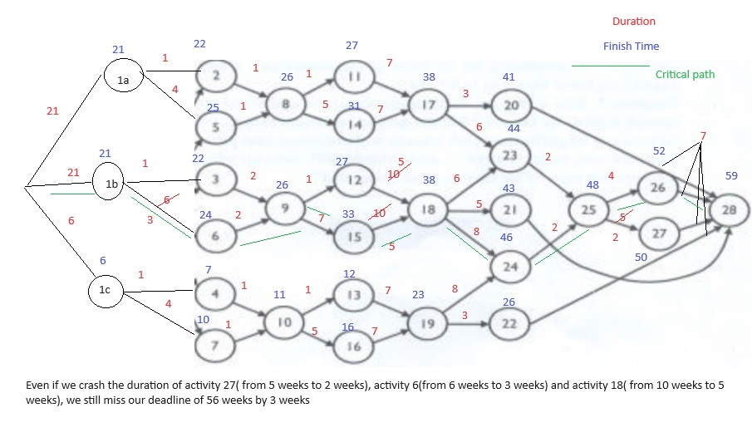
2 | 1a-2-8-11-17-23-25-26-28 |  | 50 |  | 0 | 50 |  | 0 | 50 |  | 0 | 50
3 | 12-2-8-11-17-23-25-27-28 |  | 51 |  | 1 | 48 |  | 0 | 48 |  | 0 | 48
4 | 1a-2-8-14-17-20-28 |  | 45 |  | 0 | 45 |  | 0 | 45 |  | 0 | 45
5 | 1a-2-8-14-17-23-25-26-28 |  | 54 |  | 0 | 54 |  | 0 | 54 |  | 0 | 54
6 | 12-2-8-14-17-23-25-27-28 |  | 55 |  | 1 | 52 |  | 0 | 52 |  | 0 | 52
7 | 1a-5-8-11-17-20-28 |  | 44 |  | 0 | 44 |  | 0 | 44 |  | 0 | 44
8 | 1a-5-8-11-17-23-25-26-28 |  | 53 |  | 0 | 53 |  | 0 | 53 |  | 0 | 53
9 | 12-5-8-11-17-23-25-27-28 |  | 54 |  | 1 | 51 |  | 0 | 51 |  | 0 | 51
10 | 1a-5-8-14-17-20-28 |  | 48 |  | 0 | 48 |  | 0 | 48 |  | 0 | 48
11 | 1a-5-8-14-17-23-25-26-28 |  | 57 |  | 0 | 57 |  | 0 | 57 |  | 0 | 57
12 | 1a-5-8-14-17-23-25-27-28 |  | 58 |  | 1 | 55 |  | 0 | 55 |  | 0 | 55

13 | 1b-3-9-12-18-23-25-26-28 |  | 54 |  | 0 | 54 |  | 1 | 51 |  | 1 | 46
14 | 1b-3-9-12-18-23-25-27-28 |  | 55 |  | 1 | 52 |  | 1 | 49 |  | 1 | 44
15 | 1b-3-9-12-18-21-28 |  | 47 |  | 0 | 47 |  | 1 | 44 |  | 1 | 39
16 | 1b-3-9-12-18-24-25-26-28 |  | 56 |  | 0 | 56 |  | 1 | 53 |  | 1 | 48
17 | 1b-3-9-12-18-24-25-27-28 |  | 57 |  | 1 | 54 |  | 1 | 51 |  | 1 | 46
18 | 1b-3-9-15-18-23-25-26-28 |  | 60 |  | 0 | 60 |  | 1 | 57 |  | 1 | 52
19 | 1b-3-9-15-18-23-25-27-28 |  | 61 |  | 1 | 58 |  | 1 | 55 |  | 1 | 50
20 | 1b-3-9-15-18-21-28 |  | 53 |  | 0 | 53 |  | 1 | 50 |  | 1 | 45
21 | 1b-3-9-15-18-24-25-26-28 |  | 62 |  | 0 | 62 |  | 1 | 59 |  | 1 | 54
22 | 1b-3-9-15-18-24-25-27-28 |  | 63 |  | 1 | 60 |  | 1 | 57 |  | 1 | 52
23 | 1b-6-9-12-18-23-25-26-28 |  | 59 |  | 0 | 59 |  | 1 | 56 |  | 1 | 51
24 | 1b-6-9-12-18-23-25-27-28 |  | 60 |  | 1 | 57 |  | 1 | 54 |  | 1 | 49
25 | 1b-6-9-12-18-21-28 |  | 52 |  | 0 | 52 |  | 1 | 49 |  | 1 | 44
26 | 1b-6-9-12-18-24-25-26-28 |  | 61 |  | 0 | 61 |  | 1 | 58 |  | 1 | 53
27 | 1b-6-9-12-18-24-25-27-28 |  | 62 |  | 1 | 59 |  | 1 | 56 |  | 1 | 51
28 | 1b-6-9-15-18-23-25-26-28 |  | 65 |  | 0 | 65 |  | 1 | 62 |  | 1 | 57
29 | 1b-6-9-15-18-23-25-27-28 |  | 66 |  | 1 | 63 |  | 1 | 60 |  | 1 | 55
30 | 1b-6-9-15-18-21-28 |  | 58 |  | 0 | 58 |  | 1 | 55 |  | 1 | 50
31 | 1b-6-9-15-18-24-25-26-28 |  | 67 |  | 0 | 67 |  | 1 | 64 |  | 1 | 59
32 | 1b-6-9-15-18-24-25-27-28 |  | 68 |  | 1 | 65 |  | 1 | 62 |  | 1 | 57

33 | 1c-4-10-13-19-24-25-26-28 |  | 37 |  | 0 | 37 |  | 0 | 37 |  | 0 | 37
34 | 1c-4-10-13-19-24-25-27-28 |  | 38 |  | 1 | 35 |  | 0 | 35 |  | 0 | 35
35 | 1c-4-10-13-19-22-28 |  | 26 |  | 0 | 26 |  | 0 | 26 |  | 0 | 26
36 | 1c-4-10-16-19-24-25-26-28 |  | 41 |  | 0 | 41 |  | 0 | 41 |  | 0 | 41
37 | 1c-4-10-16-19-24-25-27-28 |  | 42 |  | 1 | 39 |  | 0 | 39 |  | 0 | 39
38 | 1c-4-10-16-19-22-28 |  | 30 |  | 0 | 30 |  | 0 | 30 |  | 0 | 30
39 | 1c-7-10-13-19-24-25-26-28 |  | 40 |  | 0 | 40 |  | 0 | 40 |  | 0 | 40
40 | 1c-7-10-13-19-24-25-27-28 |  | 41 |  | 1 | 38 |  | 0 | 38 |  | 0 | 38
41 | 1c-7-10-13-19-22-28 |  | 29 |  | 0 | 29 |  | 0 | 29 |  | 0 | 29
42 | 1c-7-10-16-19-24-25-26-28 |  | 44 |  | 0 | 44 |  | 0 | 44 |  | 0 | 44
43 | 1c-7-10-16-19-24-25-27-28 |  | 45 |  | 1 | 42 |  | 0 | 42 |  | 0 | 42
44 | 1c-7-10-16-19-22-28 |  | 33 |  | 0 | 33 |  | 0 | 33 |  | 0 | 33

 |  |  | 68 |  |  | 67 |  |  | 64 |  |  | 59

 | If abetment 1 & 2 is delayed by 15weeks, we need to crash activity 27, activity 6 and activity 18 by 5 weeks . We will miss ur target by 3 weeks. Our cost is increase by 2048000(8000+40000+400000*5). WE can crash activity 5 but it will not be improvement in our process

Abetment 1 & 3
 |  |  |  | Activity Reduction | Status | x0 | x1a | x1b | x1c | x2 | x3 | x4 | x5 | x6 | x7 | x8 | x9 | x10 | x11 | x12 | x13 | x14 | x15 | x16 | x17 | x18 | x19 | x20 | x21 | x22 | x23 | x24 | x25 | x26 | x27 | x28
 |  |  | 16 weeks | Activities |  |  | 16 | 6 | 16 | 1 | 1 | 1 | 4 | 6 | 4 | 1 | 2 | 1 | 1 | 1 | 1 | 5 | 7 | 5 | 7 | 10 | 7 | 3 | 5 | 3 | 6 | 8 | 2 | 4 | 5 | 7
 |  |  | 21 weeks |  |  |  | 21 | 6 | 21 | 1 | 1 | 1 | 4 | 6 | 4 | 1 | 2 | 1 | 1 | 1 | 1 | 5 | 7 | 5 | 7 | 10 | 7 | 3 | 5 | 3 | 6 | 8 | 2 | 4 | 5 | 7

 |  | Proposal 1 | Proposal 2a | Proposal 2b | Proposal 2c | Proposal 3 | Proposal 4 a | Proposal 4 b | Proposal 4 c
 | Activity | 27 | 5 | 6 | 7 | 18 | 20 | 21 | 22
 | Crash Duration | 3 | 2 | 3 | 2 | 1*5 | 1.5 | 2.5 | 1.5
 | Cost | 8000 | 40000 | 40000 | 40000 | 400000*5 | 400000 | 400000 | 400000
 | Slope | 2666.6666667 | 20000 | 13333.333333 | 20000 | 400000 | 266666.66667 | 160000 | 266666.66667
 | Cost per week

 |  |  |  |  | Use Proposal to reduce critical path |  |  | Use Proposal to reduce critical path |  |  | Use Proposal to reduce critical path
Sl No | Paths |  | Duration |  | Activity lies on critical path' | Final Duration |  | Activity lies on critical path' | Final Duration |  | Activity lies on critical path' | Final Duration
1 | 1a-2-8-11-17-20-28 |  | 36
2 | 1a-2-8-11-17-23-25-26-28 |  | 45
3 | 12-2-8-11-17-23-25-27-28 |  | 46
4 | 1a-2-8-14-17-20-28 |  | 40
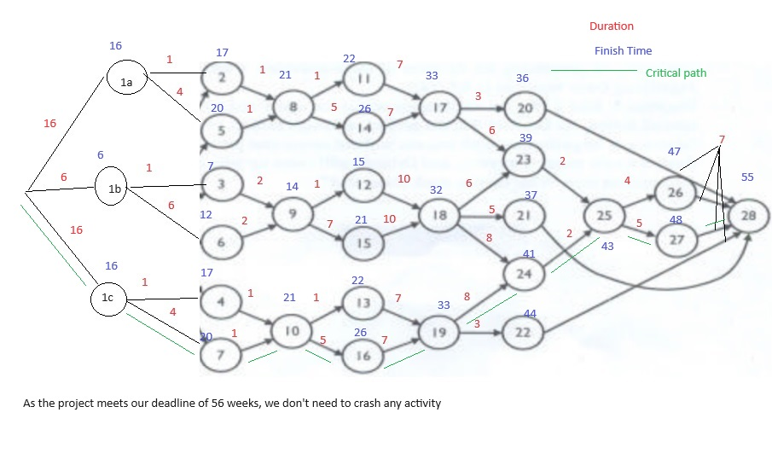
5 | 1a-2-8-14-17-23-25-26-28 |  | 49
6 | 12-2-8-14-17-23-25-27-28 |  | 50
7 | 1a-5-8-11-17-20-28 |  | 39
8 | 1a-5-8-11-17-23-25-26-28 |  | 48
9 | 12-5-8-11-17-23-25-27-28 |  | 49
10 | 1a-5-8-14-17-20-28 |  | 43
11 | 1a-5-8-14-17-23-25-26-28 |  | 52
12 | 12-5-8-14-17-23-25-27-28 |  | 53

13 | 1b-3-9-12-18-23-25-26-28 |  | 39
14 | 1b-3-9-12-18-23-25-27-28 |  | 40
15 | 1b-3-9-12-18-21-28 |  | 32
16 | 1b-3-9-12-18-24-25-26-28 |  | 41
17 | 1b-3-9-12-18-24-25-27-28 |  | 42
18 | 1b-3-9-15-18-23-25-26-28 |  | 45
19 | 1b-3-9-15-18-23-25-27-28 |  | 46
20 | 1b-3-9-15-18-21-28 |  | 38
21 | 1b-3-9-15-18-24-25-26-28 |  | 47
22 | 1b-3-9-15-18-24-25-27-28 |  | 48
23 | 1b-6-9-12-18-23-25-26-28 |  | 44
24 | 1b-6-9-12-18-23-25-27-28 |  | 45
25 | 1b-6-9-12-18-21-28 |  | 37
26 | 1b-6-9-12-18-24-25-26-28 |  | 46
27 | 1b-6-9-12-18-24-25-27-28 |  | 47
28 | 1b-6-9-15-18-23-25-26-28 |  | 50
29 | 1b-6-9-15-18-23-25-27-28 |  | 51
30 | 1b-6-9-15-18-21-28 |  | 43
31 | 1b-6-9-15-18-24-25-26-28 |  | 52
32 | 1b-6-9-15-18-24-25-27-28 |  | 53

33 | 1c-4-10-13-19-24-25-26-28 |  | 47
34 | 1c-4-10-13-19-24-25-27-28 |  | 48
35 | 1c-4-10-13-19-22-28 |  | 36
36 | 1c-4-10-16-19-24-25-26-28 |  | 51
37 | 1c-4-10-16-19-24-25-27-28 |  | 52
38 | 1c-4-10-16-19-22-28 |  | 40
39 | 1c-7-10-13-19-24-25-26-28 |  | 50
40 | 1c-7-10-13-19-24-25-27-28 |  | 51
41 | 1c-7-10-13-19-22-28 |  | 39
42 | 1c-7-10-16-19-24-25-26-28 |  | 54
43 | 1c-7-10-16-19-24-25-27-28 |  | 55
44 | 1c-7-10-16-19-22-28 |  | 43

 |  |  | 55

 | As the project duration is less than 56 weeks, hence we need not crash the activities

 |  |  |  |  | Use Proposal 1 to reduce critical path |  |  | Use Proposal 2a to reduce critical path
Sl No | Paths |  | Duration |  | Activity lies on critical path' | Final Duration |  | Activity lies on critical path'
1 | 1a-2-8-11-17-20-28 |  | 41 |  | 0 | 41 |  | 0 | 41
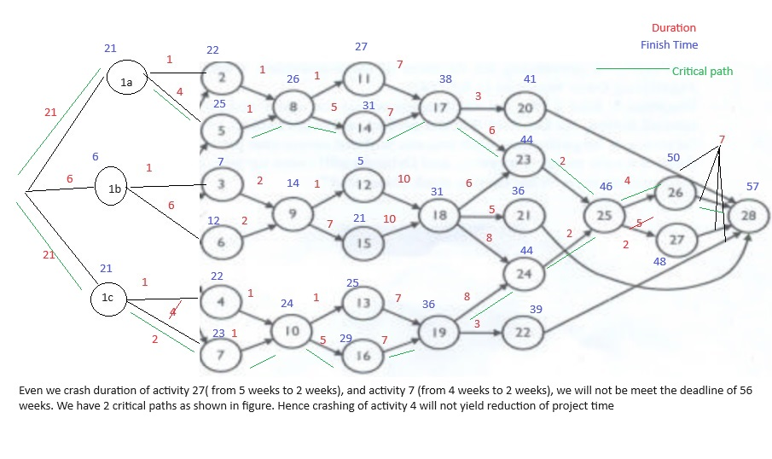
2 | 1a-2-8-11-17-23-25-26-28 |  | 50 |  | 0 | 50 |  | 0 | 50
3 | 12-2-8-11-17-23-25-27-28 |  | 51 |  | 1 | 48 |  | 0 | 48
4 | 1a-2-8-14-17-20-28 |  | 45 |  | 0 | 45 |  | 0 | 45
5 | 1a-2-8-14-17-23-25-26-28 |  | 54 |  | 0 | 54 |  | 0 | 54
6 | 12-2-8-14-17-23-25-27-28 |  | 55 |  | 1 | 52 |  | 0 | 52
7 | 1a-5-8-11-17-20-28 |  | 44 |  | 0 | 44 |  | 0 | 44
8 | 1a-5-8-11-17-23-25-26-28 |  | 53 |  | 0 | 53 |  | 0 | 53
9 | 12-5-8-11-17-23-25-27-28 |  | 54 |  | 1 | 51 |  | 0 | 51
10 | 1a-5-8-14-17-20-28 |  | 48 |  | 0 | 48 |  | 0 | 48
11 | 1a-5-8-14-17-23-25-26-28 |  | 57 |  | 0 | 57 |  | 0 | 57
12 | 1a-5-8-14-17-23-25-27-28 |  | 58 |  | 1 | 55 |  | 0 | 55

13 | 1b-3-9-12-18-23-25-26-28 |  | 39 |  | 0 | 39 |  | 0 | 39
14 | 1b-3-9-12-18-23-25-27-28 |  | 40 |  | 1 | 37 |  | 0 | 37
15 | 1b-3-9-12-18-21-28 |  | 32 |  | 0 | 32 |  | 0 | 32
16 | 1b-3-9-12-18-24-25-26-28 |  | 41 |  | 0 | 41 |  | 0 | 41
17 | 1b-3-9-12-18-24-25-27-28 |  | 42 |  | 1 | 39 |  | 0 | 39
18 | 1b-3-9-15-18-23-25-26-28 |  | 45 |  | 0 | 45 |  | 0 | 45
19 | 1b-3-9-15-18-23-25-27-28 |  | 46 |  | 1 | 43 |  | 0 | 43
20 | 1b-3-9-15-18-21-28 |  | 38 |  | 0 | 38 |  | 0 | 38
21 | 1b-3-9-15-18-24-25-26-28 |  | 47 |  | 0 | 47 |  | 0 | 47
22 | 1b-3-9-15-18-24-25-27-28 |  | 48 |  | 1 | 45 |  | 0 | 45
23 | 1b-6-9-12-18-23-25-26-28 |  | 44 |  | 0 | 44 |  | 0 | 44
24 | 1b-6-9-12-18-23-25-27-28 |  | 45 |  | 1 | 42 |  | 0 | 42
25 | 1b-6-9-12-18-21-28 |  | 37 |  | 0 | 37 |  | 0 | 37
26 | 1b-6-9-12-18-24-25-26-28 |  | 46 |  | 0 | 46 |  | 0 | 46
27 | 1b-6-9-12-18-24-25-27-28 |  | 47 |  | 1 | 44 |  | 0 | 44
28 | 1b-6-9-15-18-23-25-26-28 |  | 50 |  | 0 | 50 |  | 0 | 50
29 | 1b-6-9-15-18-23-25-27-28 |  | 51 |  | 1 | 48 |  | 0 | 48
30 | 1b-6-9-15-18-21-28 |  | 43 |  | 0 | 43 |  | 0 | 43
31 | 1b-6-9-15-18-24-25-26-28 |  | 52 |  | 0 | 52 |  | 0 | 52
32 | 1b-6-9-15-18-24-25-27-28 |  | 53 |  | 1 | 50 |  | 0 | 50

33 | 1c-4-10-13-19-24-25-26-28 |  | 52 |  | 0 | 52 |  | 1 | 50
34 | 1c-4-10-13-19-24-25-27-28 |  | 53 |  | 1 | 50 |  | 1 | 48
35 | 1c-4-10-13-19-22-28 |  | 41 |  | 0 | 41 |  | 1 | 39
36 | 1c-4-10-16-19-24-25-26-28 |  | 56 |  | 0 | 56 |  | 1 | 54
37 | 1c-4-10-16-19-24-25-27-28 |  | 57 |  | 1 | 54 |  | 1 | 52
38 | 1c-4-10-16-19-22-28 |  | 45 |  | 0 | 45 |  | 1 | 43
39 | 1c-7-10-13-19-24-25-26-28 |  | 55 |  | 0 | 55 |  | 1 | 53
40 | 1c-7-10-13-19-24-25-27-28 |  | 56 |  | 1 | 53 |  | 1 | 51
41 | 1c-7-10-13-19-22-28 |  | 44 |  | 0 | 44 |  | 1 | 42
42 | 1c-7-10-16-19-24-25-26-28 |  | 59 |  | 0 | 59 |  | 1 | 57
43 | 1c-7-10-16-19-24-25-27-28 |  | 60 |  | 1 | 57 |  | 1 | 55
44 | 1c-7-10-16-19-22-28 |  | 48 |  | 0 | 48 |  | 1 | 46

 |  |  | 60 |  |  | 59 |  |  | 57

 | If Abetment 1 and 3 is delayed to 21 weeks, we need to crash activity 7 and activity 5, to reach deadline of 56 weeks. Cost duration is 48000. We may crash activity 5 but we will still not be able to meet our deadline

Abetment 2 & 3
 |  |  |  | Activity Reduction | Status | x0 | x1a | x1b | x1c | x2 | x3 | x4 | x5 | x6 | x7 | x8 | x9 | x10 | x11 | x12 | x13 | x14 | x15 | x16 | x17 | x18 | x19 | x20 | x21 | x22 | x23 | x24 | x25 | x26 | x27 | x28
 |  |  | 16 weeks | Activities |  |  | 6 | 16 | 16 | 1 | 1 | 1 | 4 | 6 | 4 | 1 | 2 | 1 | 1 | 1 | 1 | 5 | 7 | 5 | 7 | 10 | 7 | 3 | 5 | 3 | 6 | 8 | 2 | 4 | 5 | 7
 |  |  | 21 weeks |  |  |  | 6 | 21 | 21 | 1 | 1 | 1 | 4 | 6 | 4 | 1 | 2 | 1 | 1 | 1 | 1 | 5 | 7 | 5 | 7 | 10 | 7 | 3 | 5 | 3 | 6 | 8 | 2 | 4 | 5 | 7

 |  | Proposal 1 | Proposal 2a | Proposal 2b | Proposal 2c | Proposal 3 | Proposal 4 a | Proposal 4 b | Proposal 4 c
 | Activity | 27 | 5 | 6 | 7 | 18 | 20 | 21 | 22
 | Crash Duration | 3 | 2 | 3 | 2 | 1*5 | 1.5 | 2.5 | 1.5
 | Cost | 8000 | 40000 | 40000 | 40000 | 400000*5 | 400000 | 400000 | 400000
 | Slope | 2666.6666667 | 20000 | 13333.333333 | 20000 | 400000 | 266666.66667 | 160000 | 266666.66667
 | Cost per week

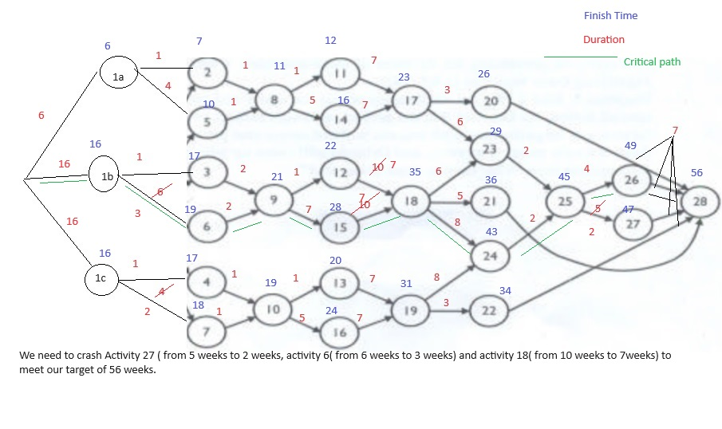
 |  |  |  |  | Use Proposal 1 to reduce critical path |  |  | Use Proposal 2b to reduce critical path |  |  | Use Proposal 2c to reduce critical path |  |  | Use Proposal3 to reduce critical path
Sl No | Paths |  | Duration |  | Activity lies on critical path' | Final Duration |  | Activity lies on critical path' | Final Duration |  | Activity lies on critical path' | Final Duration |  | Activity lies on critical path' | Final Duration
1 | 1a-2-8-11-17-20-28 |  | 26 |  | 0 | 26 |  | 0 | 26 |  | 0 | 26 |  | 0 | 26
2 | 1a-2-8-11-17-23-25-26-28 |  | 35 |  | 0 | 35 |  | 0 | 35 |  | 0 | 35 |  | 0 | 35
3 | 12-2-8-11-17-23-25-27-28 |  | 36 |  | 1 | 33 |  | 0 | 33 |  | 0 | 33 |  | 0 | 33
4 | 1a-2-8-14-17-20-28 |  | 30 |  | 0 | 30 |  | 0 | 30 |  | 0 | 30 |  | 0 | 30
5 | 1a-2-8-14-17-23-25-26-28 |  | 39 |  | 0 | 39 |  | 0 | 39 |  | 0 | 39 |  | 0 | 39
6 | 12-2-8-14-17-23-25-27-28 |  | 40 |  | 1 | 37 |  | 0 | 37 |  | 0 | 37 |  | 0 | 37
7 | 1a-5-8-11-17-20-28 |  | 29 |  | 0 | 29 |  | 0 | 29 |  | 0 | 29 |  | 0 | 29
8 | 1a-5-8-11-17-23-25-26-28 |  | 38 |  | 0 | 38 |  | 0 | 38 |  | 0 | 38 |  | 0 | 38
9 | 12-5-8-11-17-23-25-27-28 |  | 39 |  | 1 | 36 |  | 0 | 36 |  | 0 | 36 |  | 0 | 36
10 | 1a-5-8-14-17-20-28 |  | 33 |  | 0 | 33 |  | 0 | 33 |  | 0 | 33 |  | 0 | 33
11 | 1a-5-8-14-17-23-25-26-28 |  | 42 |  | 0 | 42 |  | 0 | 42 |  | 0 | 42 |  | 0 | 42
12 | 12-5-8-14-17-23-25-27-28 |  | 43 |  | 1 | 40 |  | 0 | 40 |  | 0 | 40 |  | 0 | 40

13 | 1b-3-9-12-18-23-25-26-28 |  | 49 |  | 0 | 49 |  | 1 | 46 |  | 0 | 46 |  | 1 | 43
14 | 1b-3-9-12-18-23-25-27-28 |  | 50 |  | 1 | 47 |  | 1 | 44 |  | 0 | 44 |  | 1 | 41
15 | 1b-3-9-12-18-21-28 |  | 42 |  | 0 | 42 |  | 1 | 39 |  | 0 | 39 |  | 1 | 36
16 | 1b-3-9-12-18-24-25-26-28 |  | 51 |  | 0 | 51 |  | 1 | 48 |  | 0 | 48 |  | 1 | 45
17 | 1b-3-9-12-18-24-25-27-28 |  | 52 |  | 1 | 49 |  | 1 | 46 |  | 0 | 46 |  | 1 | 43
18 | 1b-3-9-15-18-23-25-26-28 |  | 55 |  | 0 | 55 |  | 1 | 52 |  | 0 | 52 |  | 1 | 49
19 | 1b-3-9-15-18-23-25-27-28 |  | 56 |  | 1 | 53 |  | 1 | 50 |  | 0 | 50 |  | 1 | 47
20 | 1b-3-9-15-18-21-28 |  | 48 |  | 0 | 48 |  | 1 | 45 |  | 0 | 45 |  | 1 | 42
21 | 1b-3-9-15-18-24-25-26-28 |  | 57 |  | 0 | 57 |  | 1 | 54 |  | 0 | 54 |  | 1 | 51
22 | 1b-3-9-15-18-24-25-27-28 |  | 58 |  | 1 | 55 |  | 1 | 52 |  | 0 | 52 |  | 1 | 49
23 | 1b-6-9-12-18-23-25-26-28 |  | 54 |  | 0 | 54 |  | 1 | 51 |  | 0 | 51 |  | 1 | 48
24 | 1b-6-9-12-18-23-25-27-28 |  | 55 |  | 1 | 52 |  | 1 | 49 |  | 0 | 49 |  | 1 | 46
25 | 1b-6-9-12-18-21-28 |  | 47 |  | 0 | 47 |  | 1 | 44 |  | 0 | 44 |  | 1 | 41
26 | 1b-6-9-12-18-24-25-26-28 |  | 56 |  | 0 | 56 |  | 1 | 53 |  | 0 | 53 |  | 1 | 50
27 | 1b-6-9-12-18-24-25-27-28 |  | 57 |  | 1 | 54 |  | 1 | 51 |  | 0 | 51 |  | 1 | 48
28 | 1b-6-9-15-18-23-25-26-28 |  | 60 |  | 0 | 60 |  | 1 | 57 |  | 0 | 57 |  | 1 | 54
29 | 1b-6-9-15-18-23-25-27-28 |  | 61 |  | 1 | 58 |  | 1 | 55 |  | 0 | 55 |  | 1 | 52
30 | 1b-6-9-15-18-21-28 |  | 53 |  | 0 | 53 |  | 1 | 50 |  | 0 | 50 |  | 1 | 47
31 | 1b-6-9-15-18-24-25-26-28 |  | 62 |  | 0 | 62 |  | 1 | 59 |  | 0 | 59 |  | 1 | 56
32 | 1b-6-9-15-18-24-25-27-28 |  | 63 |  | 1 | 60 |  | 1 | 57 |  | 0 | 57 |  | 1 | 54

33 | 1c-4-10-13-19-24-25-26-28 |  | 47 |  | 0 | 47 |  | 0 | 47 |  | 1 | 45 |  | 0 | 47
34 | 1c-4-10-13-19-24-25-27-28 |  | 48 |  | 1 | 45 |  | 0 | 45 |  | 1 | 43 |  | 0 | 45
35 | 1c-4-10-13-19-22-28 |  | 36 |  | 0 | 36 |  | 0 | 36 |  | 1 | 34 |  | 0 | 36
36 | 1c-4-10-16-19-24-25-26-28 |  | 51 |  | 0 | 51 |  | 0 | 51 |  | 1 | 49 |  | 0 | 51
37 | 1c-4-10-16-19-24-25-27-28 |  | 52 |  | 1 | 49 |  | 0 | 49 |  | 1 | 47 |  | 0 | 49
38 | 1c-4-10-16-19-22-28 |  | 40 |  | 0 | 40 |  | 0 | 40 |  | 1 | 38 |  | 0 | 40
39 | 1c-7-10-13-19-24-25-26-28 |  | 50 |  | 0 | 50 |  | 0 | 50 |  | 1 | 48 |  | 0 | 50
40 | 1c-7-10-13-19-24-25-27-28 |  | 51 |  | 1 | 48 |  | 0 | 48 |  | 1 | 46 |  | 0 | 48
41 | 1c-7-10-13-19-22-28 |  | 39 |  | 0 | 39 |  | 0 | 39 |  | 1 | 37 |  | 0 | 39
42 | 1c-7-10-16-19-24-25-26-28 |  | 54 |  | 0 | 54 |  | 0 | 54 |  | 1 | 52 |  | 0 | 54
43 | 1c-7-10-16-19-24-25-27-28 |  | 55 |  | 1 | 52 |  | 0 | 52 |  | 1 | 50 |  | 0 | 52
44 | 1c-7-10-16-19-22-28 |  | 43 |  | 0 | 43 |  | 0 | 43 |  | 1 | 41 |  | 0 | 43

 |  |  | 63 |  |  | 62 |  |  | 59 |  |  | 59 |  |  | 56

 | If abetment 2 and 3 is delayed by 10 weeks then we need to creash activity 27, actvity 6, 7 and activity 18( by 3 weeks) wo meet our targets. Crashing cost will be 1288000(8000+40000+40000+1200000)

 |  |  |  |  | Use Proposal 1 to reduce critical path |  |  | Use Proposal 2b to reduce critical path |  |  | Use Proposal 3 to reduce critical path
Sl No | Paths |  | Duration |  | Activity lies on critical path' | Final Duration |  | Activity lies on critical path' | Final Duration |  | Activity lies on critical path' | Final Duration
1 | 1a-2-8-11-17-20-28 |  | 26 |  | 0 | 26 |  | 0 | 26 |  | 0 | 26
2 | 1a-2-8-11-17-23-25-26-28 |  | 35 |  | 0 | 35 |  | 0 | 35 |  | 0 | 35
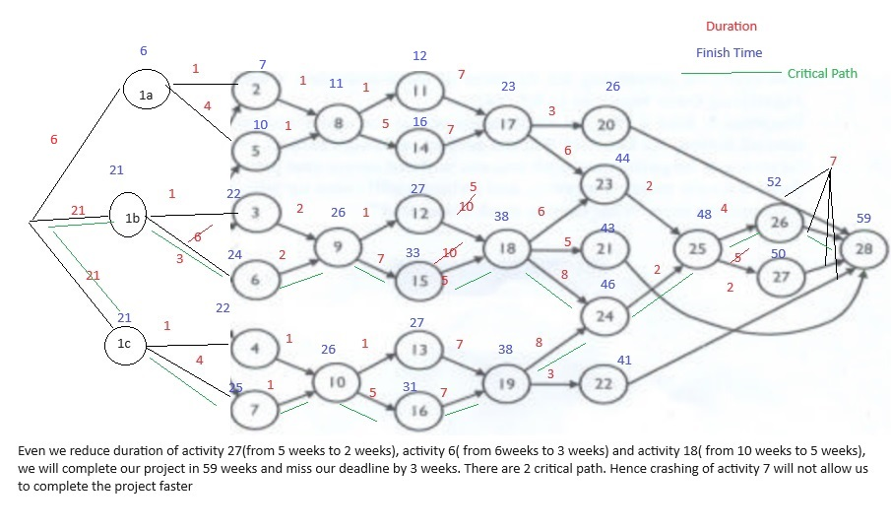
3 | 12-2-8-11-17-23-25-27-28 |  | 36 |  | 1 | 33 |  | 0 | 33 |  | 0 | 33
4 | 1a-2-8-14-17-20-28 |  | 30 |  | 0 | 30 |  | 0 | 30 |  | 0 | 30
5 | 1a-2-8-14-17-23-25-26-28 |  | 39 |  | 0 | 39 |  | 0 | 39 |  | 0 | 39
6 | 12-2-8-14-17-23-25-27-28 |  | 40 |  | 1 | 37 |  | 0 | 37 |  | 0 | 37
7 | 1a-5-8-11-17-20-28 |  | 29 |  | 0 | 29 |  | 0 | 29 |  | 0 | 29
8 | 1a-5-8-11-17-23-25-26-28 |  | 38 |  | 0 | 38 |  | 0 | 38 |  | 0 | 38
9 | 12-5-8-11-17-23-25-27-28 |  | 39 |  | 1 | 36 |  | 0 | 36 |  | 0 | 36
10 | 1a-5-8-14-17-20-28 |  | 33 |  | 0 | 33 |  | 0 | 33 |  | 0 | 33
11 | 1a-5-8-14-17-23-25-26-28 |  | 42 |  | 0 | 42 |  | 0 | 42 |  | 0 | 42
12 | 1a-5-8-14-17-23-25-27-28 |  | 43 |  | 1 | 40 |  | 0 | 40 |  | 0 | 40

13 | 1b-3-9-12-18-23-25-26-28 |  | 54 |  | 0 | 54 |  | 1 | 51 |  | 1 | 46
14 | 1b-3-9-12-18-23-25-27-28 |  | 55 |  | 1 | 52 |  | 1 | 49 |  | 1 | 44
15 | 1b-3-9-12-18-21-28 |  | 47 |  | 0 | 47 |  | 1 | 44 |  | 1 | 39
16 | 1b-3-9-12-18-24-25-26-28 |  | 56 |  | 0 | 56 |  | 1 | 53 |  | 1 | 48
17 | 1b-3-9-12-18-24-25-27-28 |  | 57 |  | 1 | 54 |  | 1 | 51 |  | 1 | 46
18 | 1b-3-9-15-18-23-25-26-28 |  | 60 |  | 0 | 60 |  | 1 | 57 |  | 1 | 52
19 | 1b-3-9-15-18-23-25-27-28 |  | 61 |  | 1 | 58 |  | 1 | 55 |  | 1 | 50
20 | 1b-3-9-15-18-21-28 |  | 53 |  | 0 | 53 |  | 1 | 50 |  | 1 | 45
21 | 1b-3-9-15-18-24-25-26-28 |  | 62 |  | 0 | 62 |  | 1 | 59 |  | 1 | 54
22 | 1b-3-9-15-18-24-25-27-28 |  | 63 |  | 1 | 60 |  | 1 | 57 |  | 1 | 52
23 | 1b-6-9-12-18-23-25-26-28 |  | 59 |  | 0 | 59 |  | 1 | 56 |  | 1 | 51
24 | 1b-6-9-12-18-23-25-27-28 |  | 60 |  | 1 | 57 |  | 1 | 54 |  | 1 | 49
25 | 1b-6-9-12-18-21-28 |  | 52 |  | 0 | 52 |  | 1 | 49 |  | 1 | 44
26 | 1b-6-9-12-18-24-25-26-28 |  | 61 |  | 0 | 61 |  | 1 | 58 |  | 1 | 53
27 | 1b-6-9-12-18-24-25-27-28 |  | 62 |  | 1 | 59 |  | 1 | 56 |  | 1 | 51
28 | 1b-6-9-15-18-23-25-26-28 |  | 65 |  | 0 | 65 |  | 1 | 62 |  | 1 | 57
29 | 1b-6-9-15-18-23-25-27-28 |  | 66 |  | 1 | 63 |  | 1 | 60 |  | 1 | 55
30 | 1b-6-9-15-18-21-28 |  | 58 |  | 0 | 58 |  | 1 | 55 |  | 1 | 50
31 | 1b-6-9-15-18-24-25-26-28 |  | 67 |  | 0 | 67 |  | 1 | 64 |  | 1 | 59
32 | 1b-6-9-15-18-24-25-27-28 |  | 68 |  | 1 | 65 |  | 1 | 62 |  | 1 | 57

33 | 1c-4-10-13-19-24-25-26-28 |  | 52 |  | 0 | 52 |  | 0 | 52 |  | 0 | 52
34 | 1c-4-10-13-19-24-25-27-28 |  | 53 |  | 1 | 50 |  | 0 | 50 |  | 0 | 50
35 | 1c-4-10-13-19-22-28 |  | 41 |  | 0 | 41 |  | 0 | 41 |  | 0 | 41
36 | 1c-4-10-16-19-24-25-26-28 |  | 56 |  | 0 | 56 |  | 0 | 56 |  | 0 | 56
37 | 1c-4-10-16-19-24-25-27-28 |  | 57 |  | 1 | 54 |  | 0 | 54 |  | 0 | 54
38 | 1c-4-10-16-19-22-28 |  | 45 |  | 0 | 45 |  | 0 | 45 |  | 0 | 45
39 | 1c-7-10-13-19-24-25-26-28 |  | 55 |  | 0 | 55 |  | 0 | 55 |  | 0 | 55
40 | 1c-7-10-13-19-24-25-27-28 |  | 56 |  | 1 | 53 |  | 0 | 53 |  | 0 | 53
41 | 1c-7-10-13-19-22-28 |  | 44 |  | 0 | 44 |  | 0 | 44 |  | 0 | 44
42 | 1c-7-10-16-19-24-25-26-28 |  | 59 |  | 0 | 59 |  | 0 | 59 |  | 0 | 59
43 | 1c-7-10-16-19-24-25-27-28 |  | 60 |  | 1 | 57 |  | 0 | 57 |  | 0 | 57
44 | 1c-7-10-16-19-22-28 |  | 48 |  | 0 | 48 |  | 0 | 48 |  | 0 | 48

 |  |  | 68 |  |  | 67 |  |  | 64 |  |  | 59

 | If abetment 2 and 3 is delayed by 15 weeks then we need to creash activity 27, actvity 6 and activity 18( by 5 weeks) wo meet our targets. Crashing cost will be 2048000(8000+40000+2000000). We will miss our target by 3 weeks

Abetment 1,2 & 3
 |  |  |  | Activity Reduction | Status | x0 | x1a | x1b | x1c | x2 | x3 | x4 | x5 | x6 | x7 | x8 | x9 | x10 | x11 | x12 | x13 | x14 | x15 | x16 | x17 | x18 | x19 | x20 | x21 | x22 | x23 | x24 | x25 | x26 | x27 | x28
 |  |  | 16 weeks | Activities |  |  | 16 | 16 | 16 | 1 | 1 | 1 | 4 | 6 | 4 | 1 | 2 | 1 | 1 | 1 | 1 | 5 | 7 | 5 | 7 | 10 | 7 | 3 | 5 | 3 | 6 | 8 | 2 | 4 | 5 | 7
 |  |  | 21 weeks |  |  |  | 21 | 21 | 21 | 1 | 1 | 1 | 4 | 6 | 4 | 1 | 2 | 1 | 1 | 1 | 1 | 5 | 7 | 5 | 7 | 10 | 7 | 3 | 5 | 3 | 6 | 8 | 2 | 4 | 5 | 7

 |  | Proposal 1 | Proposal 2a | Proposal 2b | Proposal 2c | Proposal 3 | Proposal 4 a | Proposal 4 b | Proposal 4 c
 | Activity | 27 | 5 | 6 | 7 | 18 | 20 | 21 | 22
 | Crash Duration | 3 | 2 | 3 | 2 | 1*5 | 1.5 | 2.5 | 1.5
 | Cost | 8000 | 40000 | 40000 | 40000 | 400000*5 | 400000 | 400000 | 400000
 | Slope | 2666.6666667 | 20000 | 13333.333333 | 20000 | 400000 | 266666.66667 | 160000 | 266666.66667
 | Cost per week

 |  |  |  |  | Use Proposal 1 to reduce critical path |  |  | Use Proposal 2b to reduce critical path |  |  | Use Proposal 2c to reduce critical path |  |  | Use Proposal3 to reduce critical path
Sl No | Paths |  | Duration |  | Activity lies on critical path' | Final Duration |  | Activity lies on critical path' | Final Duration |  | Activity lies on critical path' | Final Duration |  | Activity lies on critical path' | Final Duration
1 | 1a-2-8-11-17-20-28 |  | 36 |  | 0 | 36 |  | 0 | 36 |  | 0 | 36 |  | 0 | 36
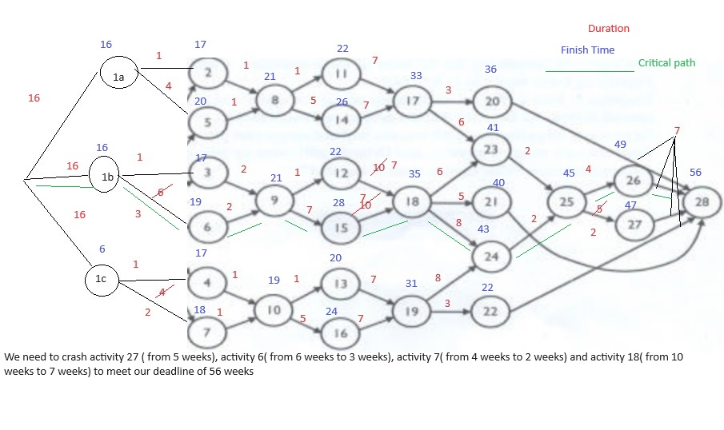
2 | 1a-2-8-11-17-23-25-26-28 |  | 45 |  | 0 | 45 |  | 0 | 45 |  | 0 | 45 |  | 0 | 45
3 | 12-2-8-11-17-23-25-27-28 |  | 46 |  | 1 | 43 |  | 0 | 43 |  | 0 | 43 |  | 0 | 43
4 | 1a-2-8-14-17-20-28 |  | 40 |  | 0 | 40 |  | 0 | 40 |  | 0 | 40 |  | 0 | 40
5 | 1a-2-8-14-17-23-25-26-28 |  | 49 |  | 0 | 49 |  | 0 | 49 |  | 0 | 49 |  | 0 | 49
6 | 12-2-8-14-17-23-25-27-28 |  | 50 |  | 1 | 47 |  | 0 | 47 |  | 0 | 47 |  | 0 | 47
7 | 1a-5-8-11-17-20-28 |  | 39 |  | 0 | 39 |  | 0 | 39 |  | 0 | 39 |  | 0 | 39
8 | 1a-5-8-11-17-23-25-26-28 |  | 48 |  | 0 | 48 |  | 0 | 48 |  | 0 | 48 |  | 0 | 48
9 | 12-5-8-11-17-23-25-27-28 |  | 49 |  | 1 | 46 |  | 0 | 46 |  | 0 | 46 |  | 0 | 46
10 | 1a-5-8-14-17-20-28 |  | 43 |  | 0 | 43 |  | 0 | 43 |  | 0 | 43 |  | 0 | 43
11 | 1a-5-8-14-17-23-25-26-28 |  | 52 |  | 0 | 52 |  | 0 | 52 |  | 0 | 52 |  | 0 | 52
12 | 12-5-8-14-17-23-25-27-28 |  | 53 |  | 1 | 50 |  | 0 | 50 |  | 0 | 50 |  | 0 | 50

13 | 1b-3-9-12-18-23-25-26-28 |  | 49 |  | 0 | 49 |  | 1 | 46 |  | 0 | 46 |  | 1 | 43
14 | 1b-3-9-12-18-23-25-27-28 |  | 50 |  | 1 | 47 |  | 1 | 44 |  | 0 | 44 |  | 1 | 41
15 | 1b-3-9-12-18-21-28 |  | 42 |  | 0 | 42 |  | 1 | 39 |  | 0 | 39 |  | 1 | 36
16 | 1b-3-9-12-18-24-25-26-28 |  | 51 |  | 0 | 51 |  | 1 | 48 |  | 0 | 48 |  | 1 | 45
17 | 1b-3-9-12-18-24-25-27-28 |  | 52 |  | 1 | 49 |  | 1 | 46 |  | 0 | 46 |  | 1 | 43
18 | 1b-3-9-15-18-23-25-26-28 |  | 55 |  | 0 | 55 |  | 1 | 52 |  | 0 | 52 |  | 1 | 49
19 | 1b-3-9-15-18-23-25-27-28 |  | 56 |  | 1 | 53 |  | 1 | 50 |  | 0 | 50 |  | 1 | 47
20 | 1b-3-9-15-18-21-28 |  | 48 |  | 0 | 48 |  | 1 | 45 |  | 0 | 45 |  | 1 | 42
21 | 1b-3-9-15-18-24-25-26-28 |  | 57 |  | 0 | 57 |  | 1 | 54 |  | 0 | 54 |  | 1 | 51
22 | 1b-3-9-15-18-24-25-27-28 |  | 58 |  | 1 | 55 |  | 1 | 52 |  | 0 | 52 |  | 1 | 49
23 | 1b-6-9-12-18-23-25-26-28 |  | 54 |  | 0 | 54 |  | 1 | 51 |  | 0 | 51 |  | 1 | 48
24 | 1b-6-9-12-18-23-25-27-28 |  | 55 |  | 1 | 52 |  | 1 | 49 |  | 0 | 49 |  | 1 | 46
25 | 1b-6-9-12-18-21-28 |  | 47 |  | 0 | 47 |  | 1 | 44 |  | 0 | 44 |  | 1 | 41
26 | 1b-6-9-12-18-24-25-26-28 |  | 56 |  | 0 | 56 |  | 1 | 53 |  | 0 | 53 |  | 1 | 50
27 | 1b-6-9-12-18-24-25-27-28 |  | 57 |  | 1 | 54 |  | 1 | 51 |  | 0 | 51 |  | 1 | 48
28 | 1b-6-9-15-18-23-25-26-28 |  | 60 |  | 0 | 60 |  | 1 | 57 |  | 0 | 57 |  | 1 | 54
29 | 1b-6-9-15-18-23-25-27-28 |  | 61 |  | 1 | 58 |  | 1 | 55 |  | 0 | 55 |  | 1 | 52
30 | 1b-6-9-15-18-21-28 |  | 53 |  | 0 | 53 |  | 1 | 50 |  | 0 | 50 |  | 1 | 47
31 | 1b-6-9-15-18-24-25-26-28 |  | 62 |  | 0 | 62 |  | 1 | 59 |  | 0 | 59 |  | 1 | 56
32 | 1b-6-9-15-18-24-25-27-28 |  | 63 |  | 1 | 60 |  | 1 | 57 |  | 0 | 57 |  | 1 | 54

33 | 1c-4-10-13-19-24-25-26-28 |  | 47 |  | 0 | 47 |  | 0 | 47 |  | 1 | 45 |  | 0 | 47
34 | 1c-4-10-13-19-24-25-27-28 |  | 48 |  | 1 | 45 |  | 0 | 45 |  | 1 | 43 |  | 0 | 45
35 | 1c-4-10-13-19-22-28 |  | 36 |  | 0 | 36 |  | 0 | 36 |  | 1 | 34 |  | 0 | 36
36 | 1c-4-10-16-19-24-25-26-28 |  | 51 |  | 0 | 51 |  | 0 | 51 |  | 1 | 49 |  | 0 | 51
37 | 1c-4-10-16-19-24-25-27-28 |  | 52 |  | 1 | 49 |  | 0 | 49 |  | 1 | 47 |  | 0 | 49
38 | 1c-4-10-16-19-22-28 |  | 40 |  | 0 | 40 |  | 0 | 40 |  | 1 | 38 |  | 0 | 40
39 | 1c-7-10-13-19-24-25-26-28 |  | 50 |  | 0 | 50 |  | 0 | 50 |  | 1 | 48 |  | 0 | 50
40 | 1c-7-10-13-19-24-25-27-28 |  | 51 |  | 1 | 48 |  | 0 | 48 |  | 1 | 46 |  | 0 | 48
41 | 1c-7-10-13-19-22-28 |  | 39 |  | 0 | 39 |  | 0 | 39 |  | 1 | 37 |  | 0 | 39
42 | 1c-7-10-16-19-24-25-26-28 |  | 54 |  | 0 | 54 |  | 0 | 54 |  | 1 | 52 |  | 0 | 54
43 | 1c-7-10-16-19-24-25-27-28 |  | 55 |  | 1 | 52 |  | 0 | 52 |  | 1 | 50 |  | 0 | 52
44 | 1c-7-10-16-19-22-28 |  | 43 |  | 0 | 43 |  | 0 | 43 |  | 1 | 41 |  | 0 | 43

 |  |  | 63 |  |  | 62 |  |  | 59 |  |  | 59 |  |  | 56

 | If abetment 2 and 3 is delayed by 10 weeks then we need to creash activity 27, actvity 6, 7 and activity 18( by 3 weeks) wo meet our targets. Crashing cost will be 1288000(8000+40000+40000+1200000)

 |  |  |  |  | Use Proposal 1 to reduce critical path |  |  | Use Proposal 2b to reduce critical path |  |  | Use Proposal 3 to reduce critical path
Sl No | Paths |  | Duration |  | Activity lies on critical path' | Final Duration |  | Activity lies on critical path' | Final Duration |  | Activity lies on critical path' | Final Duration
1 | 1a-2-8-11-17-20-28 |  | 41 |  | 0 | 41 |  | 0 | 41 |  | 0 | 41
2 | 1a-2-8-11-17-23-25-26-28 |  | 50 |  | 0 | 50 |  | 0 | 50 |  | 0 | 50

3 | 12-2-8-11-17-23-25-27-28 |  | 51 |  | 1 | 48 |  | 0 | 48 |  | 0 | 48
4 | 1a-2-8-14-17-20-28 |  | 45 |  | 0 | 45 |  | 0 | 45 |  | 0 | 45
5 | 1a-2-8-14-17-23-25-26-28 |  | 54 |  | 0 | 54 |  | 0 | 54 |  | 0 | 54
6 | 12-2-8-14-17-23-25-27-28 |  | 55 |  | 1 | 52 |  | 0 | 52 |  | 0 | 52
7 | 1a-5-8-11-17-20-28 |  | 44 |  | 0 | 44 |  | 0 | 44 |  | 0 | 44
8 | 1a-5-8-11-17-23-25-26-28 |  | 53 |  | 0 | 53 |  | 0 | 53 |  | 0 | 53
9 | 12-5-8-11-17-23-25-27-28 |  | 54 |  | 1 | 51 |  | 0 | 51 |  | 0 | 51
10 | 1a-5-8-14-17-20-28 |  | 48 |  | 0 | 48 |  | 0 | 48 |  | 0 | 48
11 | 1a-5-8-14-17-23-25-26-28 |  | 57 |  | 0 | 57 |  | 0 | 57 |  | 0 | 57
12 | 1a-5-8-14-17-23-25-27-28 |  | 58 |  | 1 | 55 |  | 0 | 55 |  | 0 | 55

13 | 1b-3-9-12-18-23-25-26-28 |  | 54 |  | 0 | 54 |  | 1 | 51 |  | 1 | 46
14 | 1b-3-9-12-18-23-25-27-28 |  | 55 |  | 1 | 52 |  | 1 | 49 |  | 1 | 44
15 | 1b-3-9-12-18-21-28 |  | 47 |  | 0 | 47 |  | 1 | 44 |  | 1 | 39
16 | 1b-3-9-12-18-24-25-26-28 |  | 56 |  | 0 | 56 |  | 1 | 53 |  | 1 | 48
17 | 1b-3-9-12-18-24-25-27-28 |  | 57 |  | 1 | 54 |  | 1 | 51 |  | 1 | 46
18 | 1b-3-9-15-18-23-25-26-28 |  | 60 |  | 0 | 60 |  | 1 | 57 |  | 1 | 52
19 | 1b-3-9-15-18-23-25-27-28 |  | 61 |  | 1 | 58 |  | 1 | 55 |  | 1 | 50
20 | 1b-3-9-15-18-21-28 |  | 53 |  | 0 | 53 |  | 1 | 50 |  | 1 | 45
21 | 1b-3-9-15-18-24-25-26-28 |  | 62 |  | 0 | 62 |  | 1 | 59 |  | 1 | 54
22 | 1b-3-9-15-18-24-25-27-28 |  | 63 |  | 1 | 60 |  | 1 | 57 |  | 1 | 52
23 | 1b-6-9-12-18-23-25-26-28 |  | 59 |  | 0 | 59 |  | 1 | 56 |  | 1 | 51
24 | 1b-6-9-12-18-23-25-27-28 |  | 60 |  | 1 | 57 |  | 1 | 54 |  | 1 | 49
25 | 1b-6-9-12-18-21-28 |  | 52 |  | 0 | 52 |  | 1 | 49 |  | 1 | 44
26 | 1b-6-9-12-18-24-25-26-28 |  | 61 |  | 0 | 61 |  | 1 | 58 |  | 1 | 53
27 | 1b-6-9-12-18-24-25-27-28 |  | 62 |  | 1 | 59 |  | 1 | 56 |  | 1 | 51
28 | 1b-6-9-15-18-23-25-26-28 |  | 65 |  | 0 | 65 |  | 1 | 62 |  | 1 | 57
29 | 1b-6-9-15-18-23-25-27-28 |  | 66 |  | 1 | 63 |  | 1 | 60 |  | 1 | 55
30 | 1b-6-9-15-18-21-28 |  | 58 |  | 0 | 58 |  | 1 | 55 |  | 1 | 50
31 | 1b-6-9-15-18-24-25-26-28 |  | 67 |  | 0 | 67 |  | 1 | 64 |  | 1 | 59
32 | 1b-6-9-15-18-24-25-27-28 |  | 68 |  | 1 | 65 |  | 1 | 62 |  | 1 | 57

33 | 1c-4-10-13-19-24-25-26-28 |  | 52 |  | 0 | 52 |  | 0 | 52 |  | 0 | 52
34 | 1c-4-10-13-19-24-25-27-28 |  | 53 |  | 1 | 50 |  | 0 | 50 |  | 0 | 50
35 | 1c-4-10-13-19-22-28 |  | 41 |  | 0 | 41 |  | 0 | 41 |  | 0 | 41
36 | 1c-4-10-16-19-24-25-26-28 |  | 56 |  | 0 | 56 |  | 0 | 56 |  | 0 | 56
37 | 1c-4-10-16-19-24-25-27-28 |  | 57 |  | 1 | 54 |  | 0 | 54 |  | 0 | 54
38 | 1c-4-10-16-19-22-28 |  | 45 |  | 0 | 45 |  | 0 | 45 |  | 0 | 45
39 | 1c-7-10-13-19-24-25-26-28 |  | 55 |  | 0 | 55 |  | 0 | 55 |  | 0 | 55
40 | 1c-7-10-13-19-24-25-27-28 |  | 56 |  | 1 | 53 |  | 0 | 53 |  | 0 | 53
41 | 1c-7-10-13-19-22-28 |  | 44 |  | 0 | 44 |  | 0 | 44 |  | 0 | 44
42 | 1c-7-10-16-19-24-25-26-28 |  | 59 |  | 0 | 59 |  | 0 | 59 |  | 0 | 59
43 | 1c-7-10-16-19-24-25-27-28 |  | 60 |  | 1 | 57 |  | 0 | 57 |  | 0 | 57
44 | 1c-7-10-16-19-22-28 |  | 48 |  | 0 | 48 |  | 0 | 48 |  | 0 | 48

 |  |  | 68 |  |  | 67 |  |  | 64 |  |  | 59

 | If abetment 2 and 3 is delayed by 15 weeks then we need to creash activity 27, actvity 6 and activity 18( by 5 weeks) wo meet our targets. Crashing cost will be 2048000(8000+40000+2000000). We will miss our target by 3 weeks

