Read me!
ASSIGNMENT INSTRUCTIONS: ("Read me")
In this Assignment, you prove your skills in SQL. It is worth a substantial portion of your grade, so you are encouraged to work accordingly.
Make sure you put your name in cell E2 on the Dashboard sheet. This way we can ensure you get credit for your good work.
There is an SQL template in the "SQL template" tab. Use it as your base for SQL submissions.
There are two "Cruise" SQL scripts that accompany this assignment. You will need to run both of them to create and then insert records into your database.
To do these problems,
Put your SQL code in the proper place in the SQL template.
Use the results of your SQL code to answer any questions about the results. These are color coded green in the sheets so you can easily find them.
Paste screen shot(s) of execution in this document. Make sure your results are easily visible. We need to be able to see all the SQL you are executing and the records it produces as results in your screen shots. Feel very free to use more than one screen shot if necessary.
When you have completed this assignment, you will submit:
The SQL template, containing your SQL code. This will be a separate document. Name this document "XXX-Assignment 3.2.sql" where XXX is your initials or your name.
This spreadsheet, which will include your answers in the green boxes and supporting screen shots.
Setup: You will need run MySQL and run the two attached scripts to create your "cruise" database. It should have tables in it for captain, passenger, schedule, ship, and ticket.
Once you have created and activated the database, complete the problems on the following "Problem" sheets.
OPTIONAL: To confirm your database is working correctly, you can run the following SQL statements in MySQL (note: nothing to turn in here; this is just to help verify your database works):
select sum(ticket.ship_id) from ticket;
# The above should return 719 if working correctly.
select sum(passenger.reward_points) from passenger;
# The above should return 24,676 if working correctly.

SQL template
SQL Template:
Below is the template for your SQL submission. Use this as your base.
Save your work as a separate .sql file and submit the .sql file as a separate attachment. You are encouraged to copy and paste the below text directly.

# DATA 635 Assignment 3.2
# Written by <Your name here>
# Semester <Your semester here>
# Professor <Your professor's name here>
#
# When you submit this, rename it to "XXX-Assignment 3.2.sql"
# where XXX is your initials or your name.
#
# You will submit the SQL for all the programming problems in this single file.
#
# Problem 1
# < Your SQL for problem 1 goes here >
# Problem 2
# < Your SQL for problem 2 goes here >
etc....

Problem 1
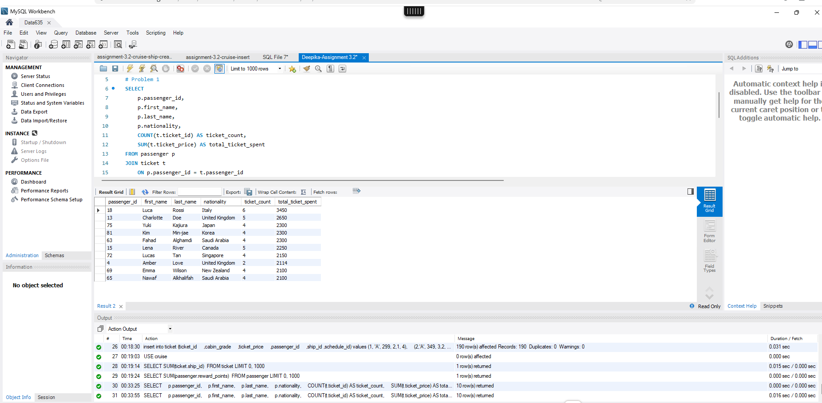
Problem 1: | Your Score: | Points Possible: | Professor's feedback:
 |  | 6
 | How many rows did your query return? | 10
 | What is your answer to the business question? | The invitation list should include the 10 passengers with the highest total ticket spending.
 | Give a sentence or two explaining your approach to this problem. | I joined the passenger and ticket tables to find each passenger’s total ticket spending. Then I sorted the results from highest to lowest and included passenger_id to identify passengers with similar names.

 | Instructions:
 | Put your SQL in the "Problem 1" location in the SQL template.
 | Put your row count in the green box in cell D5.

 | Your marketing department wants you to find the 10 passengers who have spent the most total money on tickets. Your results should make it possible to differentiate between passengers with similar information. Please sort your results by ticket price.
 | Who will we be inviting and how did you make the list?
 | Paste a screen shot of successful execution below. Be sure your screenshots show all the SQL you use; you are welcome to include several screen shots if necessary.

 | SQL code and screenshot(s) of successful execution:

Problem 2
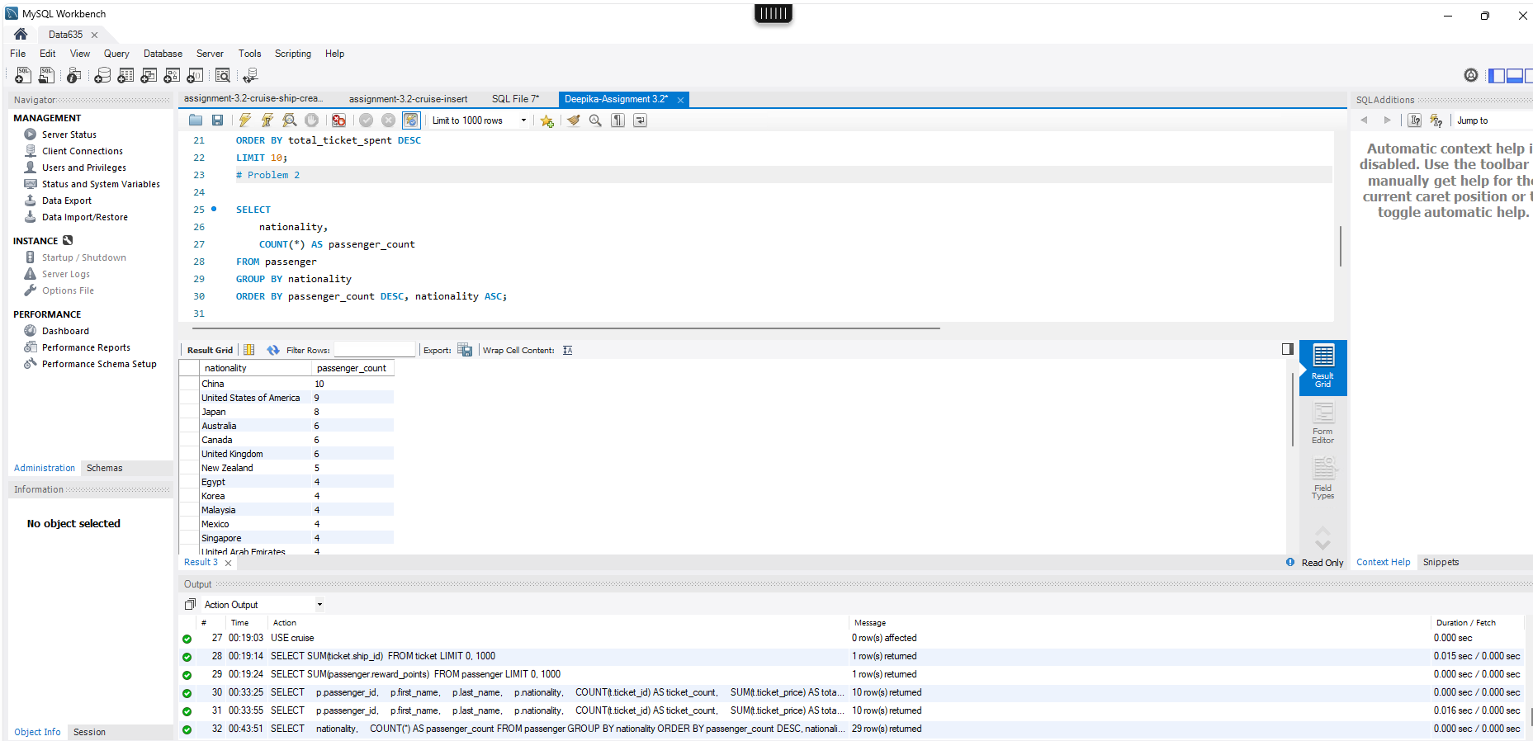
Problem 2: | Your Score: | Points Possible: | Professor's feedback:
 |  | 12
 | How many rows did your query return? | 29
 | What is your answer to the business question? | The query shows how many passengers are represented by each nationality, sorted from most common to least common.
 | Give a sentence or two explaining your approach to this problem. | I counted how many passengers belong to each nationality.

 | Instructions:
 | Put your SQL in the "Problem 2" location in the SQL template.
 | Put your row count in the green box in cell D5.

 | Your management wants to know which nationalities are most frequently represented among our customers.
 | Write some SQL code to help assist with this query.

 | SQL code and screenshot(s) of successful execution:

Problem 3
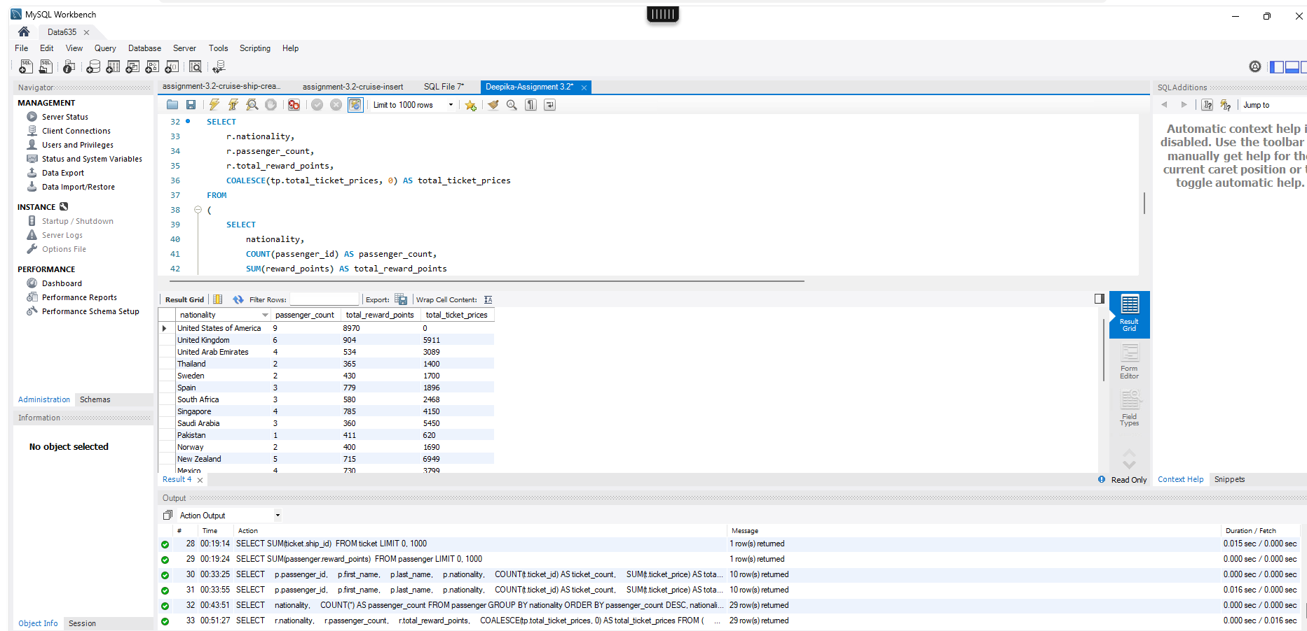
Problem 3: | Your Score: | Points Possible: | Professor's feedback:
 |  | 12
 | How many rows did your query return? | 29
 | What is your answer to the business question? | The output shows each nationality’s total reward points and total ticket prices. Nationalities with the highest total reward points appear first.
 | Give a sentence or two explaining your approach to this problem. | I calculated total reward points by nationality separately from ticket totals so passengers with multiple tickets would not have their reward points counted more than once. I used a left join so passengers without tickets are still included.

 | Instructions:
 | Put your SQL in the "Problem 3" location in the SQL template.
 | Put your row count in the green box in cell D5.

 | Your company is experimenting with reward points. A passenger can earn reward points for taking a cruise, and can also earn reward points by using the affiliated credit card.
 | Which nationalities are the passengers with the highest reward points?
 | Add up all the reward points and all the ticket prices by nationality.
 | Include in the output all passengers in our database including new customers who haven't yet booked a trip.

 | SQL code and screenshot(s) of successful execution:

Problem 4
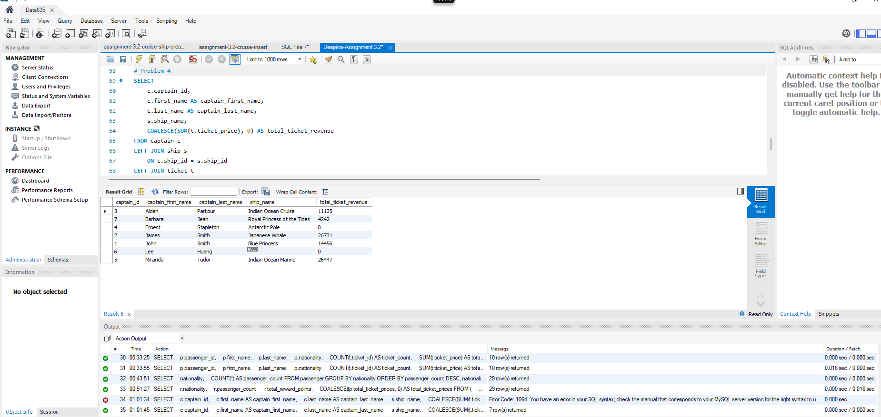
Problem 4: | Your Score: | Points Possible: | Professor's feedback:
 |  | 12
 | How many rows did your query return? | 7
 | What is your answer to the business question? | The output lists each captain, the assigned ship, and total ticket revenue from that ship.
 | Give a sentence or two explaining your approach to this problem. | I joined captain to ship, then joined ship to ticket and summed ticket prices. I used left joins so captains with no assigned ship or no ticket revenue are still included.

 | Instructions:
 | Put your SQL in the "Problem 4" location in the SQL template.
 | Put your row count in the green box in cell D5.

 | Business problem: We want to list all our captains by ticket revenue to see which ones have the highest ticket revenue over all seasons.
 | Give an output which lists the captain name, the ship, and the total ticket revenue from that ship (on all schedules). Please sort your results by captain first name and last name.

 | SQL code and screenshot(s) of successful execution:

Problem 5
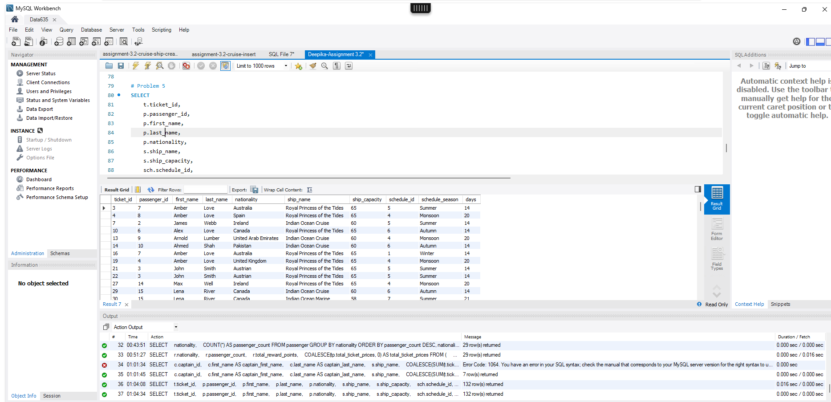
Problem 5: | Your Score: | Points Possible: | Professor's feedback:
 |  | 12
 | How many rows did your query return? | 132
 | What is your answer to the business question? | The output lists all tickets purchased for big cruises, where a big cruise means the schedule is more than 20 days or the ship capacity is 60 or more.
 | Give a sentence or two explaining your approach to this problem. | I joined ticket, passenger, ship, and schedule, then filtered for records where days > 20 or ship_capacity >= 60.

 | Instructions:
 | Put your SQL in the "Problem 5" location in the SQL template.
 | Put your row count in the green box in cell D5.

 | We define a "big cruise" as either a cruise which goes more than 20 days, or a cruise of any duration which has a ship capacity of 60 passengers or more (regardless of duration).
 | Give a listing of all the ticket IDs and the corresponding passengers with names and nationalities who have purchased a ticket for a "big cruise." Sort your results ascending by ticket_id. Your results should include enough additional fields that you can verify it's correctly selecting records.
 | If a passenger has purchased tickets on more than one "big cruise," please list that person in multiple rows, one row for each ticket.

 | SQL code and screenshot(s) of successful execution:

Problem 6
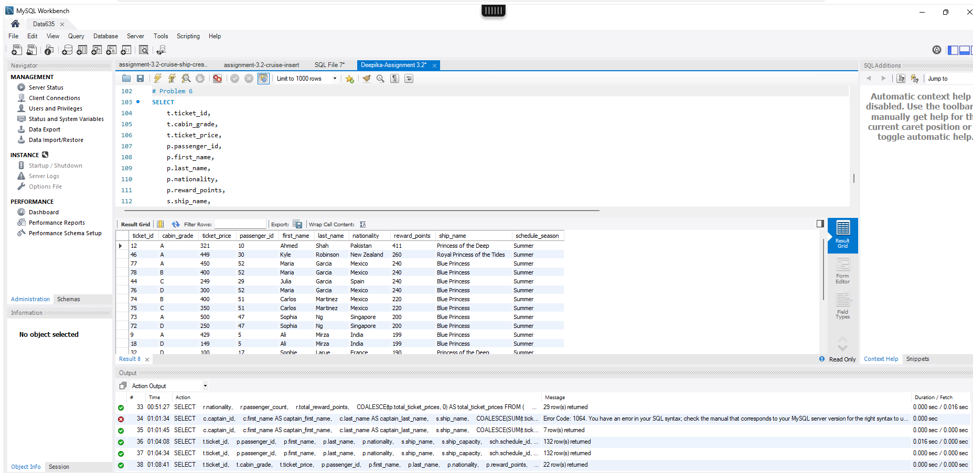
Problem 6: | Your Score: | Points Possible: | Professor's feedback:
 |  | 16
 | How many rows did your query return? | 22
 | What is your answer to the business question? | The output lists repeat customers who booked summer cruises on ships with "Princess" in the ship name, including cabin grade, ticket price, passenger name, nationality, and reward points.
 | Give a sentence or two explaining your approach to this problem. | I joined ticket, passenger, ship, and schedule data, then filtered for repeat customers, summer schedules, and ship names containing "Princess". I sorted the results by reward points descending, cabin grade ascending, and passenger name.

 | Instructions:
 | Put your SQL in the "Problem 6" location in the SQL template.
 | Put your row count in the green box in cell D5.

 | Draft some SQL to answer the following question. "We want a very special list. We want a list of ticket cabin grade and ticket price for all passengers who are repeat customers and who have a ticket to go on any of the summer cruises where the ship name contains the word 'Princess.' Oh, we also want the passenger name, nationality, and how many reward points the passenger has. Sort it so the most reward points are at the top, then by ticket cabin grade ascending, and then by passenger name if you can."
 | Feel free to include any additional fields you need to in the query to be sure it's working properly.

 | Paste a screen shot of successful execution below. Be sure your screenshots show all the SQL you use; you are welcome to include several screen shots if necessary.

 | SQL code and screenshot(s) of successful execution:

