Sheet1
 | SMILES
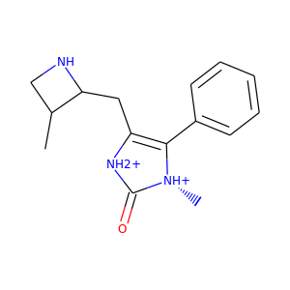 | CC1CNC1CC1=C(c2ccccc2)[N@H+](C)C(=O)[NH2+]1
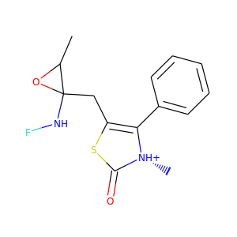 | CC1OC1(CC1=C(c2ccccc2)[N@H+](C)C(=O)S1)NF
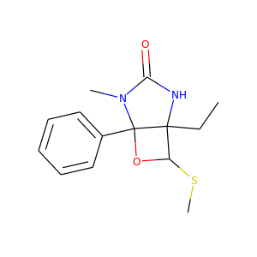 | CCC12NC(=O)N(C)C1(c1ccccc1)OC2SC
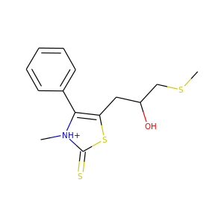 | CSCC(O)CC1=C(c2ccccc2)[NH+](C)C(=S)S1
 | CSCC(O)CC1=C(c2ccccc2)[NH+](C)C(=S)S1
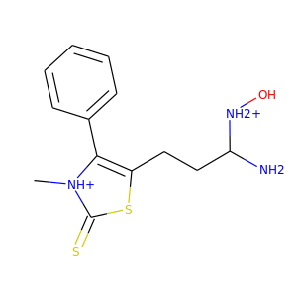 | C[NH+]1C(=S)SC(CCC(N)[NH2+]O)=C1c1ccccc1
 | C[NH+]1C(=S)SC(CCC(N)[NH2+]O)=C1c1ccccc1
 | C[NH+]1C(=S)SC(CCC(N)[NH2+]O)=C1c1ccccc1
 | C[NH+]1C(=S)SC(CCC(N)[NH2+]O)=C1c1ccccc1
 | C[NH+]1C(=S)SC(CCC(N)[NH2+]O)=C1c1ccccc1
 | C[NH+]1C(=S)SC(CCC(N)[NH2+]O)=C1c1ccccc1
 | C[NH+]1C(=S)SC(CCC(N)[NH2+]O)=C1c1ccccc1
 | C[NH+]1C(=S)SC(CCC(N)[NH2+]O)=C1c1ccccc1
 | C[NH+]1C(=S)SC(CCC(N)[NH2+]O)=C1c1ccccc1
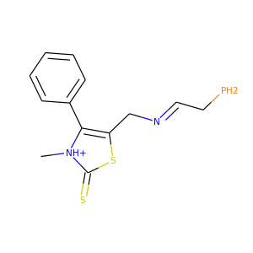 | C[NH+]1C(=S)SC(C/N=C/CP)=C1c1ccccc1
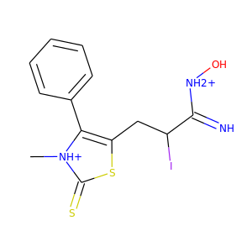 | C[NH+]1C(=S)SC(CC(I)C(=N)[NH2+]O)=C1c1ccccc1
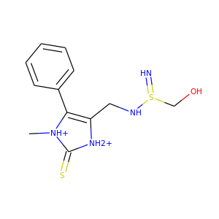 | C[NH+]1C(=S)[NH2+]C(CNS(=N)CO)=C1c1ccccc1
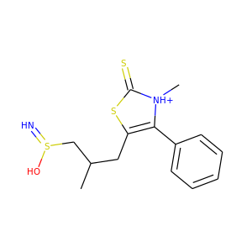 | CC(CC1=C(c2ccccc2)[NH+](C)C(=S)S1)CS(=N)O
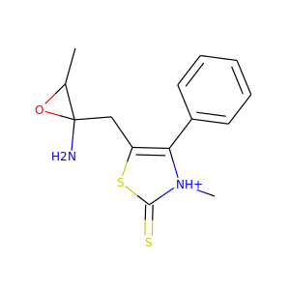 | CC1OC1(N)CC1=C(c2ccccc2)[NH+](C)C(=S)S1
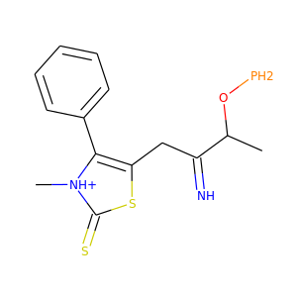 | CC(OP)C(=N)CC1=C(c2ccccc2)[NH+](C)C(=S)S1
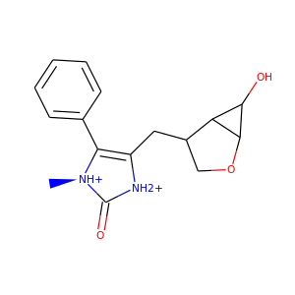 | C[N@@H+]1C(=O)[NH2+]C(CC2COC3C(O)C23)=C1c1ccccc1
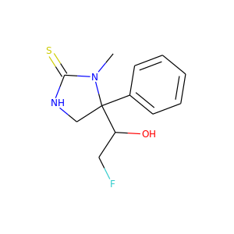 | CN1C(=S)NCC1(c1ccccc1)C(O)CF
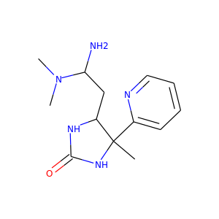 | CN(C)C(N)CC1NC(=O)NC1(C)c1ccccn1
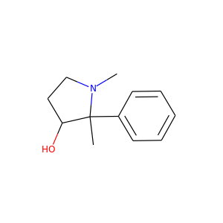 | CN1CCC(O)C1(C)c1ccccc1
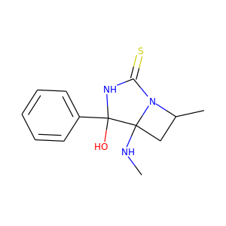 | CNC12CC(C)N1C(=S)NC2(O)c1ccccc1
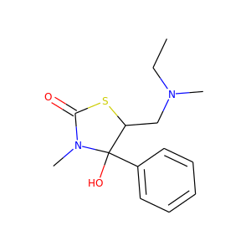 | CCN(C)CC1SC(=O)N(C)C1(O)c1ccccc1
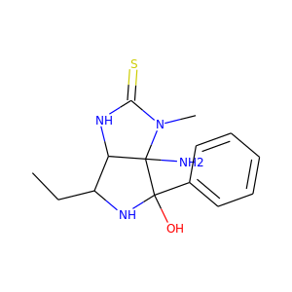 | CCC1NC(O)(c2ccccc2)C2(N)C1NC(=S)N2C
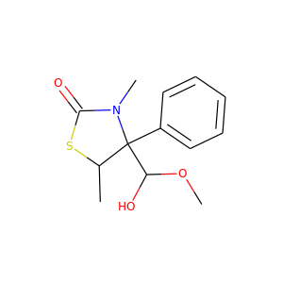 | COC(O)C1(c2ccccc2)C(C)SC(=O)N1C
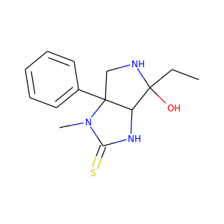 | CCC1(O)NCC2(c3ccccc3)C1NC(=S)N2C
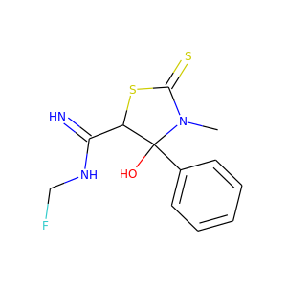 | CN1C(=S)SC(C(=N)NCF)C1(O)c1ccccc1
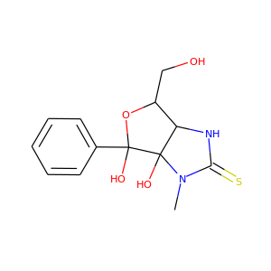 | CN1C(=S)NC2C(CO)OC(O)(c3ccccc3)C21O
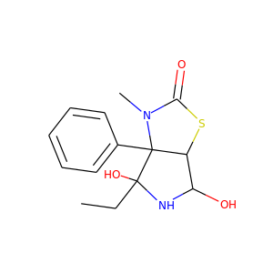 | CCC1(O)NC(O)C2SC(=O)N(C)C21c1ccccc1
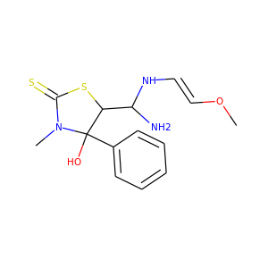 | CO/C=C/NC(N)C1SC(=S)N(C)C1(O)c1ccccc1
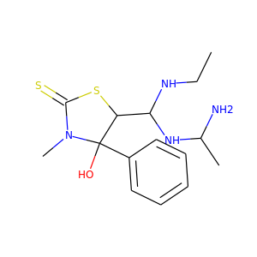 | CCNC(NC(C)N)C1SC(=S)N(C)C1(O)c1ccccc1
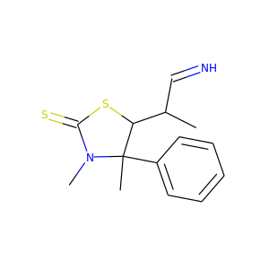 | CC(C=N)C1SC(=S)N(C)C1(C)c1ccccc1
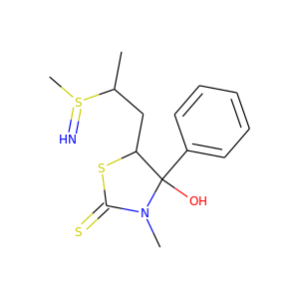 | CC(CC1SC(=S)N(C)C1(O)c1ccccc1)S(C)=N
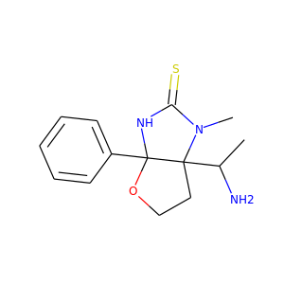 | CC(N)C12CCOC1(c1ccccc1)NC(=S)N2C
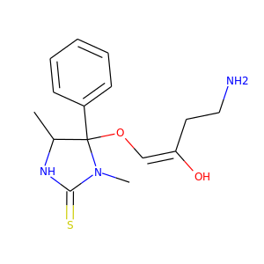 | CC1NC(=S)N(C)C1(O/C=C(/O)CCN)c1ccccc1
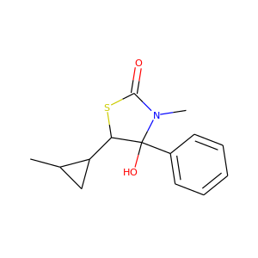 | CC1CC1C1SC(=O)N(C)C1(O)c1ccccc1
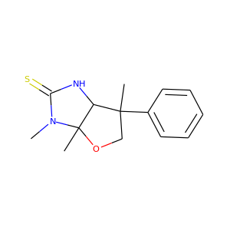 | CN1C(=S)NC2C(C)(c3ccccc3)COC21C
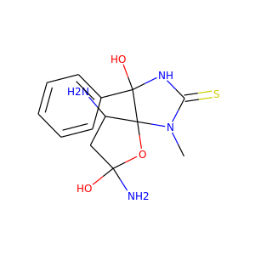 | CN1C(=S)NC(O)(c2ccccc2)C12OC(N)(O)CC2N
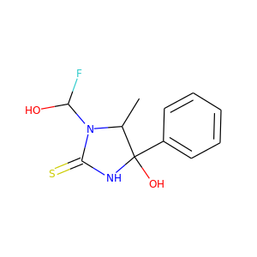 | CC1N(C(O)F)C(=S)NC1(O)c1ccccc1
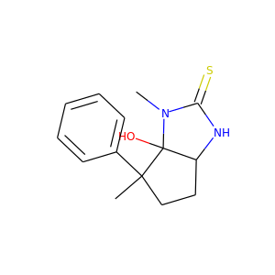 | CN1C(=S)NC2CCC(C)(c3ccccc3)C21O
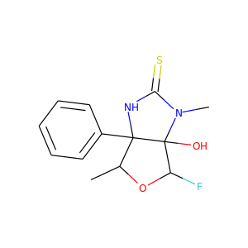 | CC1OC(F)C2(O)N(C)C(=S)NC12c1ccccc1
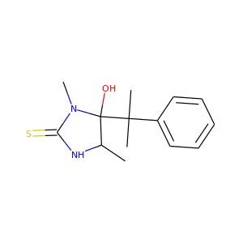 | CC1NC(=S)N(C)C1(O)C(C)(C)c1ccccc1
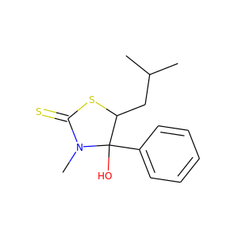 | CC(C)CC1SC(=S)N(C)C1(O)c1ccccc1
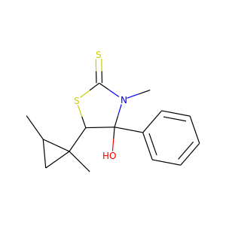 | CC1CC1(C)C1SC(=S)N(C)C1(O)c1ccccc1
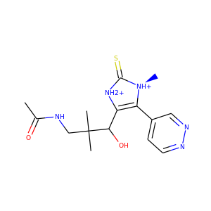 | CC(=O)NCC(C)(C)C(O)C1=C(c2ccnnc2)[N@H+](C)C(=S)[NH2+]1
 | CC(=O)NCC(C)(C)C(O)C1=C(c2ccnnc2)[N@H+](C)C(=S)[NH2+]1
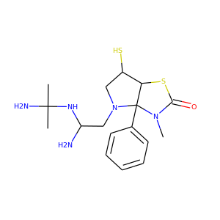 | CN1C(=O)SC2C(S)CN(CC(N)NC(C)(C)N)C21c1ccccc1
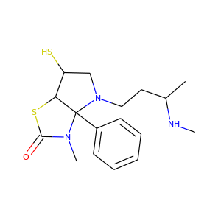 | CNC(C)CCN1CC(S)C2SC(=O)N(C)C21c1ccccc1
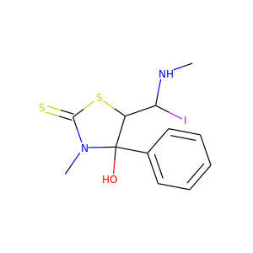 | CNC(I)C1SC(=S)N(C)C1(O)c1ccccc1
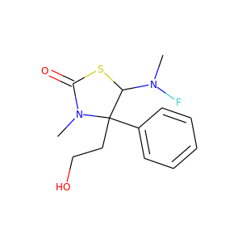 | CN(F)C1SC(=O)N(C)C1(CCO)c1ccccc1
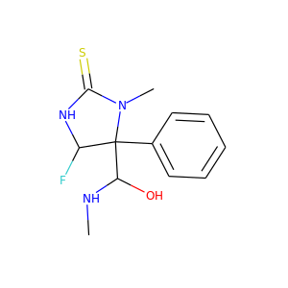 | CNC(O)C1(c2ccccc2)C(F)NC(=S)N1C
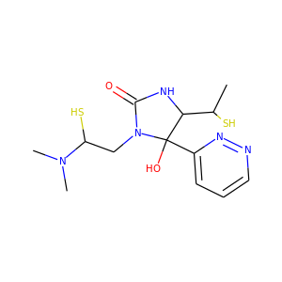 | CC(S)C1NC(=O)N(CC(S)N(C)C)C1(O)c1cccnn1
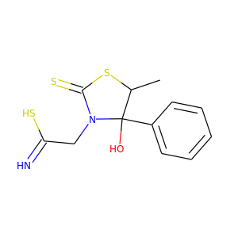 | CC1SC(=S)N(CC(=N)S)C1(O)c1ccccc1
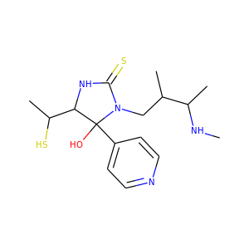 | CNC(C)C(C)CN1C(=S)NC(C(C)S)C1(O)c1ccncc1
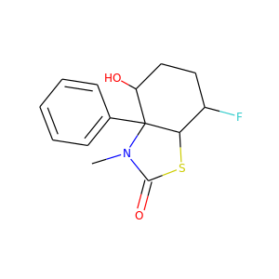 | CN1C(=O)SC2C(F)CCC(O)C21c1ccccc1
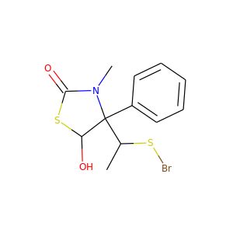 | CC(SBr)C1(c2ccccc2)C(O)SC(=O)N1C
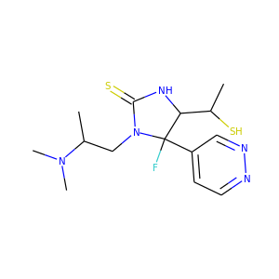 | CC(S)C1NC(=S)N(CC(C)N(C)C)C1(F)c1ccnnc1
 | CC(S)C1NC(=S)N(CC(C)N(C)C)C1(F)c1ccnnc1
 | CNC(CN1CC(S)C2SC(=O)N(C)C21c1ccccc1)N(C)CCl
 | CC(S)C1NC(=S)N(CC(C)N(C)C)C1(F)c1ccncc1
 | CC(C#N)C1NC(=S)N(CC(C)N(C)C)C1(O)c1cccnn1

