Sheet2
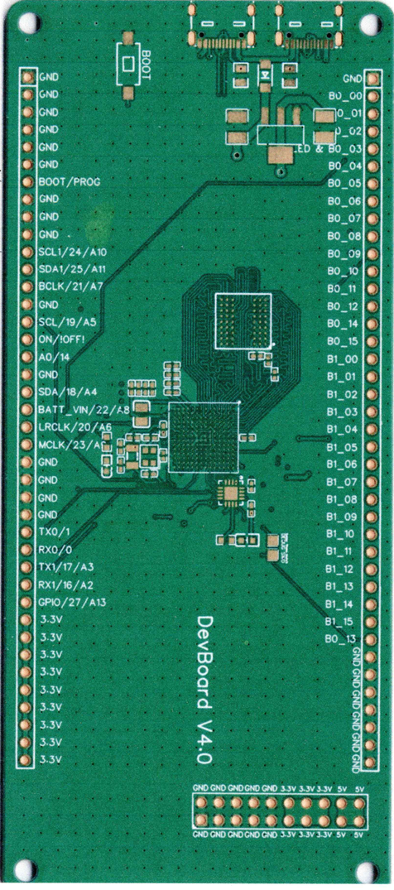
Pin | Name | GPIO | Serial | I2C | SPI | PWM | CAN | Audio | XBAR | FlexIO | Analog | SD/CSI/LCD | Pin | Name | GPIO | Serial | I2C | SPI | PWM | CAN | Audio | XBAR | FlexIO | Analog | SD/CSI/LCD

GND
GND |  |  |  |  |  |  |  |  |  |  |  |  | GND
GND |  |  |  |  |  |  |  |  |  |  |  |  | 10 | B0_00 | 4.6 |  |  |  | PWM2_A0 |  | 2:TX_BCL | IO-08 | 1:06:00 |  | LCD_CLK
GND |  |  |  |  |  |  |  |  |  |  |  |  | 12 | B0_01 | 2.1 |  |  | SPI(4) MISO | QT1_1 |  | MQS_LEFT |  | 2:01:00 |  | LCD_ENABLE
GND |  |  |  |  |  |  |  |  |  |  |  |  | 11 | B0_02 | 2.01 |  |  | SPI(4) MOSI | QT1_1 |  | MQS_LEFT |  | 2:1 |  | LCD_HSYNC
GND |  |  |  |  |  |  |  |  |  |  |  |  | 13 | B0_03 | 2.3 |  |  | SPI(4) SCK | QT2_0 | 1_RX |  |  | 2:03:00 |  | LCD_VSYNC
GND |  |  |  |  |  |  |  |  |  |  |  |  | 40 | B0_04 | 2:04:00 |  | Wire3(2) SCL |  | QT2_1 |  |  |  | 2:04:00 |  | LCD_DATA0
BOOT/PROG |  |  |  |  |  |  |  |  |  |  |  |  | 41 | B0_05 | 2:05:00 |  | Wire3(2) SDA |  | QT2_2 |  |  |  | 2:05:00 |  | LCD_DATA1
GND |  |  |  |  |  |  |  |  |  |  |  |  | 42 | B0_06 | 2:06:00 |  |  |  | QT3_0 |  |  |  | 2:06:00 |  | LCD_DATA2
GND |  |  |  |  |  |  |  |  |  |  |  |  | 43 | B0_07 | 2:07:00 |  |  |  | QT3_1 |  |  |  | 2:07:00 |  | LCD_DATA3
GND |  |  |  |  |  |  |  |  |  |  |  |  | 44 | B0_08 | 2:08:00 |  |  |  | QT3_2 |  |  |  | 2:08:00 |  | LCD_DATA4
24/A10 | AD_B0_12 | 1.12 | Serial6(1) TX | Wire1(4) SCL |  | PWM1_X2 |  |  |  |  | A1:1 |  | 45 | B0_09 | 2:09:00 |  |  |  | QT4_0 |  |  |  | 2:09:00 |  | LCD_DATA5
25/A11 | AD_B0_13 | 1.13 | Serial6(1) RX | Wire1(4) SDA |  | PWM1_X3 | GPT1_CLK |  |  |  | A1:2 |  | 6 | B0_10 | 2.1 |  |  |  | PWM2_A2, QT4_1 |  | 1:TX3_RX1 |  | 2:10:00 |  | LCD_DATA6
21/A7 | AD_B1_11 | 1.27 | Serial5(8) RX |  |  |  |  | 1:RX_BCLK |  | 3:11 | A1:0, A2:0 | CSI_D6 | 9 | B0_11 | 2.11 |  |  |  | PWM2_B2,QT4_2 |  | 1:TX2_RX2 |  | 2:11:00 |  | LCD_DATA7
GND |  |  |  |  |  |  |  |  |  |  |  |  | 46, 32 on t41 | B0_12 | 2.12 |  |  |  |  |  | 1:TX1_RX3 | IO-10 | 2:12:00 |  | LCD_DATA8
19/A5 | AD_B1_00 | 1.16 | Serial3(2) CTS | Wire(1) SCL |  | QT3_0 |  |  |  | 3:00:00 | A1:5, A2:5 |  | 47 | B0_14 | 2.14 |  |  |  |  |  |  | IO-12 | 2:14:00 |  | LCD_DAT10
ON/OFF |  |  |  |  |  |  |  |  |  |  |  |  | 48 | B0_15 | 2:15:00 |  |  |  |  |  |  | IO-13 | 2:15:00 |  | LCD_DAT11
14/A0 | AD_B1_02 | 1.18 | Serial3(2) TX |  |  | QT3_2 |  | SPDIF_OUT |  | 3:02:00 | A1:7, A2:7 |  | 8 | B1_00 | 2.16 | Serial2(4) TX |  |  | PWM1_A3 |  | 1:RX_DATA | IO-14 | 2:16, 3:16 |  | LCD_DAT12
GND |  |  |  |  |  |  |  |  |  |  |  |  | 7 | B1_01 | 2.17 | Serial2(4) RX |  |  | PWM1_B3 |  | 1:TX_DATA | IO-15 | 2:17, 3:17 |  | LCD_DAT13
18/A4 | AD_B1_01 | 1.17 | Serial3(2) RTS | Wire(1) SDA |  | QT3_1 |  |  |  | 3:01:00 | A1:6, A2:6 |  | 49,36 on t41 | B1_02 | 2.18 |  |  | SPI(4) CS2 | PWM2_A3 |  | 1:TX_BCLK | IO-16 | 2:18,3:18 |  | LCD_DAT14
22/A8 | AD_B1_08 | 1.24 |  |  |  | PWM4_A0 | 1_TX |  |  | 3:08:00 | A1:13, A2:13 | CSI_D9, USDHC2_CMD | 50, 37 on t41 | B1_03 | 2.19 |  |  | SPI(4) CS1 | PWM2_B3 |  | 1:TX_SYNC | IO-17 | 2:19,3:19 |  | LCD_DAT15
20/A6 | AD_B1_10 | 1.26 | Serial5(8) TX |  |  |  |  | 1:RX_SYNC |  | 3:10 | A1:15, A2:15 | CSI_D7 | 51 | B1_04 | 2:20:00 |  |  | SPI(4) CS0 |  |  |  |  | 2:20,3:20 |  | LCD_DATA16,CSI_DATA15
23/A9 | AD_B1_09 | 1.25 |  |  |  | PWM4_A1 | 1_RX | 1:MCLK |  | 3:09:00 | A1:14, A2:14 | CSI_D8 | 52 | B1_05 | 2:21:00 |  |  | SPI(4) MISO |  |  |  |  | 2:21,3:21 |  | LCD_DATA17,CSI_DATA14
GND |  |  |  |  |  |  |  |  |  |  |  |  | 53 | B1_06 | 2:22:00 |  |  | SPI(4) MOSI |  |  |  |  | 2:22,3:22 |  | LCD_DATA18,CSI_DATA13
GND |  |  |  |  |  |  |  |  |  |  |  |  | 54 | B1_07 | 2:23:00 |  |  | SPI(4) SCK |  |  |  |  | 2:23,3:23 |  | LCD_DATA19,CSI_DATA12
GND |  |  |  |  |  |  |  |  |  |  |  |  | 55 | B1_08 | 2:24:00 |  |  |  | QT1_3 |  |  |  | 2:24,3:24 |  | LCD_DATA20,CSI_DATA11
GND |  |  |  |  |  |  |  |  |  |  |  |  | 56 | B1_09 | 2:25:00 |  |  |  | QT2_3 |  |  |  | 2:25,3:25 |  | LCD_DATA21,CSI_DATA10
1 | AD_B0_03 | 1.2 | Serial1(6) TX |  | SPI1(3) MISO | PWM1_X0 | 2_TX |  | IO-16 |  |  |  | 57 | B1_10 | 2:26:00 |  |  |  | QT3_3 |  |  |  | 2:26,3:26 |  | LCD_DATA22,CSI_DATA00
0 | AD_B0_02 | 1.3 | Serial1(6) RX |  | SPI1(3) CS0 | PWM1_X1 | 2_RX |  | IO-17 |  |  |  | 58 | B1_11 | 2:27:00 |  |  |  | QT4_3 |  |  |  |  |  | LCD_DATA23,CSI_DATA01
17/A3 | AD_B1_06 | 1.22 | Serial2(3) TX | Wire2(3) SDA |  |  |  | SPDIF_LOCK |  | 3:6 | A1:11, A2:11 | CSI_VSYNC, USDHC2_DATA2 | 59, 35 on t41 | B1_12 | 2.28 | Serial8(5) TX |  |  |  |  |  |  | 2:28,3:28 |  | CSI_PIXCLK
16/A2 | AD_B1_07 | 1.23 | Serial2(3) RX | Wire2(3) SCL |  |  |  | SPDIF_EXTCLK |  | 3:7 | A1:12, A2:12 | CSI_HSYNC,USDHC2_DATA3 | 60, 34 ont41 | B1_13 | 2.29 | Serial8(5) RX |  |  |  |  |  |  | 2:29,3:29 |  | CSI_VSYNC
27/A13 | AD_B1_15 | 1.31 |  |  | SPI1(3) SCK |  |  | 1:TX_SYNC |  | 3:15:00 | A2:4 | CSI_D2 | 61 | B1_14 | 2:30:00 |  |  |  | PWM4_A2 |  |  | IO-02 | 2:30,3:30 |  | CSI_HSYNC
3.3v |  |  |  |  |  |  |  |  |  |  |  |  | 62 | B1_15 | 2:31:00 |  |  |  | PWM4_A3 |  |  | IO-03 | 2:31,3:31 |  | CSI_MCLK
3.3v |  |  |  |  |  |  |  |  |  |  |  |  | 63 | B0_13 | 2.13 |  |  |  |  |  |  | IO-11 | 2:13:00 |  | LCD_DAT09
3.3v
3.3v
3.3v
3.3v
3.3v
3.3v
3.3v
3.3v

DB5 Card like
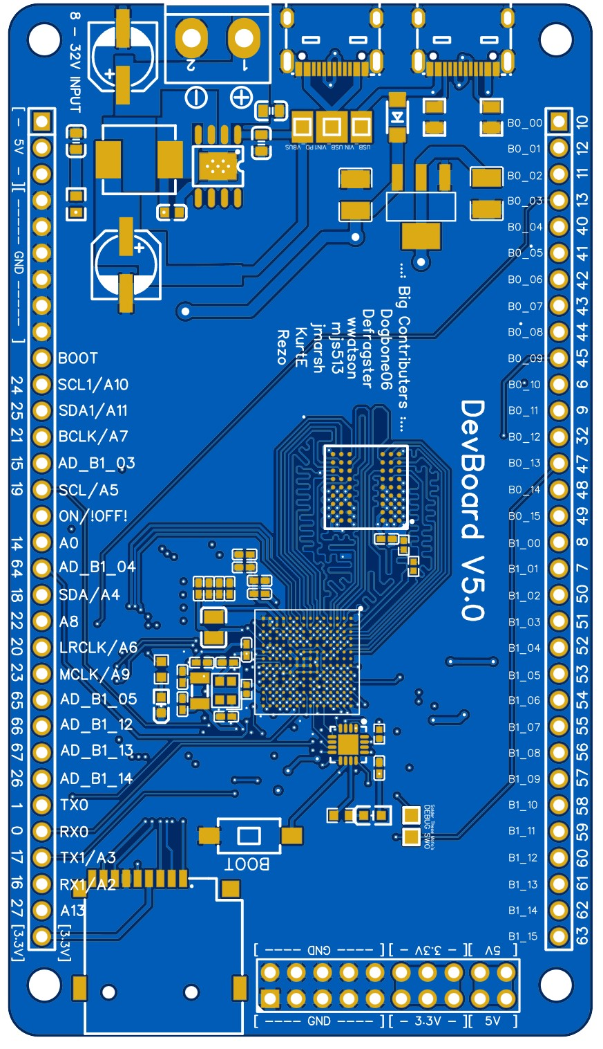
GPIO | Serial | I2C | SPI | PWM | CAN | Audio | XBAR | FlexIO | Analog | SD/CSI/LCD | Name | Pin | Pin | Name | GPIO | Serial | I2C | SPI | PWM | CAN | Audio | XBAR | FlexIO | Analog | SD/CSI/LCD

 |  |  |  |  |  |  |  |  |  |  |  | 5V | 10 | B0_00 | 4.6 |  |  |  | PWM2_A0 |  | 2:TX_BCL | IO-08 | 1:06:00 |  | LCD_CLK
 |  |  |  |  |  |  |  |  |  |  |  | 5V | 12 | B0_01 | 2.1 |  |  | SPI(4) MISO | QT1_1 |  | MQS_LEFT |  | 2:01:00 |  | LCD_ENABLE
 |  |  |  |  |  |  |  |  |  |  |  | 5V | 11 | B0_02 | 2.01 |  |  | SPI(4) MOSI | QT1_1 |  | MQS_LEFT |  | 2:1 |  | LCD_HSYNC
 |  |  |  |  |  |  |  |  |  |  |  | GND | 13 | B0_03 | 2.3 |  |  | SPI(4) SCK | QT2_0 | 1_RX |  |  | 2:03:00 |  | LCD_VSYNC
 |  |  |  |  |  |  |  |  |  |  |  | GND | 40 | B0_04 | 2:04:00 |  | Wire3(2) SCL |  | QT2_1 |  |  |  | 2:04:00 |  | LCD_DATA0
 |  |  |  |  |  |  |  |  |  |  |  | GND | 41 | B0_05 | 2:05:00 |  | Wire3(2) SDA |  | QT2_2 |  |  |  | 2:05:00 |  | LCD_DATA1
 |  |  |  |  |  |  |  |  |  |  |  | GND | 42 | B0_06 | 2:06:00 |  |  |  | QT3_0 |  |  |  | 2:06:00 |  | LCD_DATA2
 |  |  |  |  |  |  |  |  |  |  |  | GND | 43 | B0_07 | 2:07:00 |  |  |  | QT3_1 |  |  |  | 2:07:00 |  | LCD_DATA3
 |  |  |  |  |  |  |  |  |  |  |  | GND | 44 | B0_08 | 2:08:00 |  |  |  | QT3_2 |  |  |  | 2:08:00 |  | LCD_DATA4
 |  |  |  |  |  |  |  |  |  |  |  | BOOT/PROG | 45 | B0_09 | 2:09:00 |  |  |  | QT4_0 |  |  |  | 2:09:00 |  | LCD_DATA5
1.12 | Serial6(1) TX | Wire1(4) SCL |  | PWM1_X2 |  |  |  |  | A1:1 |  | AD_B0_12 | 24/A10 | 6 | B0_10 | 2.1 |  |  |  | PWM2_A2, QT4_1 |  | 1:TX3_RX1 |  | 2:10:00 |  | LCD_DATA6
1.13 | Serial6(1) RX | Wire1(4) SDA |  | PWM1_X3 | GPT1_CLK |  |  |  | A1:2 |  | AD_B0_13 | 25/A11 | 9 | B0_11 | 2.11 |  |  |  | PWM2_B2,QT4_2 |  | 1:TX2_RX2 |  | 2:11:00 |  | LCD_DATA7
1.27 | Serial5(8) RX |  |  |  |  | 1:RX_BCLK |  | 3:11 | A1:0, A2:0 | CSI_D6 | AD_B1_11 | 21/A7 | 32 | B0_12 | 2.12 |  |  |  |  |  | 1:TX1_RX3 | IO-10 | 2:12:00 |  | LCD_DATA8
1.19 | Serial3(2) RX |  |  | QT3_3 |  |  |  | 3:11 | A1:8, A2:8 |  | AD_B1_03 | 15/A1 | 47 | B0_13 | 2.13 |  |  |  |  |  |  | IO-11 | 2:13:00 |  | LCD_DAT09
1.16 | Serial3(2) CTS | Wire(1) SCL |  | QT3_0 |  |  |  | 3:00:00 | A1:5, A2:5 |  | AD_B1_00 | 19/A5 | 48 | B0_14 | 2.14 |  |  |  |  |  |  | IO-12 | 2:14:00 |  | LCD_DAT10
 |  |  |  |  |  |  |  |  |  |  |  | ON/OFF | 49 | B0_15 | 2:15:00 |  |  |  |  |  |  | IO-13 | 2:15:00 |  | LCD_DAT11
1.18 | Serial3(2) TX |  |  | QT3_2 |  | SPDIF_OUT |  | 3:02:00 | A1:7, A2:7 |  | AD_B1_02 | 14/A0 | 8 | B1_00 | 2.16 | Serial2(4) TX |  |  | PWM1_A3 |  | 1:RX_DATA | IO-14 | 2:16, 3:16 |  | LCD_DAT12
1.20 |  |  |  |  |  | SPDIF_SR_CLK |  | 3:04:00 | A1:9 | CSI_PIXCLK | AD_B1_04 | 64 | 7 | B1_01 | 2.17 | Serial2(4) RX |  |  | PWM1_B3 |  | 1:TX_DATA | IO-15 | 2:17, 3:17 |  | LCD_DAT13
1.17 | Serial3(2) RTS | Wire(1) SDA |  | QT3_1 |  |  |  | 3:01:00 | A1:6, A2:6 |  | AD_B1_01 | 18/A4 | 50,36 on t41 | B1_02 | 2.18 |  |  | SPI(4) CS2 | PWM2_A3 |  | 1:TX_BCLK | IO-16 | 2:18,3:18 |  | LCD_DAT14
1.24 |  |  |  | PWM4_A0 | 1_TX |  |  | 3:08:00 | A1:13, A2:13 | CSI_D9, USDHC2_CMD | AD_B1_08 | 22/A8 | 51, 37 on t41 | B1_03 | 2.19 |  |  | SPI(4) CS1 | PWM2_B3 |  | 1:TX_SYNC | IO-17 | 2:19,3:19 |  | LCD_DAT15
1.26 | Serial5(8) TX |  |  |  |  | 1:RX_SYNC |  | 3:10 | A1:15, A2:15 | CSI_D7 | AD_B1_10 | 20/A6 | 52 | B1_04 | 2:20:00 |  |  | SPI(4) CS0 |  |  |  |  | 2:20,3:20 |  | LCD_DATA16,CSI_DATA15
1.25 |  |  |  | PWM4_A1 | 1_RX | 1:MCLK |  | 3:09:00 | A1:14, A2:14 | CSI_D8 | AD_B1_09 | 23/A9 | 53 | B1_05 | 2:21:00 |  |  | SPI(4) MISO |  |  |  |  | 2:21,3:21 |  | LCD_DATA17,CSI_DATA14
1.21 |  |  |  |  |  |  |  | 3:05:00 | A1:10 | CSI_MCLK | AD_B1_05 | 65 | 54 | B1_06 | 2:22:00 |  |  | SPI(4) MOSI |  |  |  |  | 2:22,3:22 |  | LCD_DATA18,CSI_DATA13
1.28 |  |  |  |  |  |  |  | 3:12:00 | 2:01:00 | CSI_D5 | AD_B1_12 | 66 | 55 | B1_07 | 2:23:00 |  |  | SPI(4) SCK |  |  |  |  | 2:23,3:23 |  | LCD_DATA19,CSI_DATA12
1.29 |  |  |  |  |  |  |  | 3:13:00 | 2:02:00 | CSI_D4 | AD_B1_13 | 67 | 56 | B1_08 | 2:24:00 |  |  |  | QT1_3 |  |  |  | 2:24,3:24 |  | LCD_DATA20,CSI_DATA11
1.30 |  |  |  |  |  |  |  | 3:14:00 | 2:03:00 | CSI_D3 | AD_B1_14 | 26 | 57 | B1_09 | 2:25:00 |  |  |  | QT2_3 |  |  |  | 2:25,3:25 |  | LCD_DATA21,CSI_DATA10
1.2 | Serial1(6) TX |  | SPI1(3) MISO | PWM1_X0 | 2_TX |  | IO-16 |  |  |  | AD_B0_03 | 1 | 58 | B1_10 | 2:26:00 |  |  |  | QT3_3 |  |  |  | 2:26,3:26 |  | LCD_DATA22,CSI_DATA00
1.3 | Serial1(6) RX |  | SPI1(3) CS0 | PWM1_X1 | 2_RX |  | IO-17 |  |  |  | AD_B0_02 | 0 | 59 | B1_11 | 2:27:00 |  |  |  | QT4_3 |  |  |  |  |  | LCD_DATA23,CSI_DATA01
1.22 | Serial2(3) TX | Wire2(3) SDA |  |  |  | SPDIF_LOCK |  | 3:6 | A1:11, A2:11 | CSI_VSYNC, USDHC2_DATA2 | AD_B1_06 | 17/A3 | 60, 35 on t41 | B1_12 | 2.28 | Serial8(5) TX |  |  |  |  |  |  | 2:28,3:28 |  | CSI_PIXCLK
1.23 | Serial2(3) RX | Wire2(3) SCL |  |  |  | SPDIF_EXTCLK |  | 3:7 | A1:12, A2:12 | CSI_HSYNC,USDHC2_DATA3 | AD_B1_07 | 16/A2 | 61, 34 ont41 | B1_13 | 2.29 | Serial8(5) RX |  |  |  |  |  |  | 2:29,3:29 |  | CSI_VSYNC
1.31 |  |  | SPI1(3) SCK |  |  | 1:TX_SYNC |  | 3:15:00 | A2:4 | CSI_D2 | AD_B1_15 | 27/A13 | 62 | B1_14 | 2:30:00 |  |  |  | PWM4_A2 |  |  | IO-02 | 2:30,3:30 |  | CSI_HSYNC
 |  |  |  |  |  |  |  |  |  |  |  | 3.3v | 63 | B1_15 | 2:31:00 |  |  |  | PWM4_A3 |  |  | IO-03 | 2:31,3:31 |  | CSI_MCLK

