MIDITeensy3
MIDI RS232 Serial USB interface

Component | Location | Description | Part number | Qty

PCB:
 |  | MIDI_RS232 board |  | 1

ICs:
 | U3 | Programmed Microcontroller | Teensy2.0 | 1
 | U1 | Optocoupler | 6N138 | 1
 | U2 | Serial Driver | MAX232N | 1

Capacitors:
 | C3, C7 | Non polarized capacitor, 0.1uf 50V | 104 | 2
 | C1, C2, C4, C5 | Capacitor, 10uf 25V | 10uf*25V | 4
 | C6 | Capacitor, 100uf 25V | 100uf*25V | 1

Resistors:
 | R1, R2, R3, R8 | Resistor | 220 Ohm | 4
 | R6 | Resistor | 470 Ohm | 1
 | R4 | Resistor | 1 kOhm | 1
 | R5, R7 | Do not install | - | 2

Diodes:
 | D1 | Diode | 1N4148 | 1
 | D4 | Light emitting diode | 3mm LED | 1
 | D2, D3 | Do not install | - | 2

Sockets, switches, housing:
 | J1, J2 | 5-pin DIN connector | MIDI socket | 2
 | J3 | DB9 Female Socket PCB | DB9 | 1
 | U1 | DIP-8 W7.62mm IC socket round pins | DIP8 | 1 | Connector | DIN-5_180degree | 3 | 5-pin DIN connector (5-pin DIN-5 stereo) | http://www.mouser.com/ds/2/18/40_c091_abd_e-75918.pdf | ~ | 5 | passive
 | U2 | DIP-16 W7.62mm IC socket round pins | DIP16 | 1
 |  | PinHeader 2.54mm male | Single row 40pin | 1
 |  | PinHeader 2.54mm female | Single row 40pin | 1

Soldereing instruction and tips:
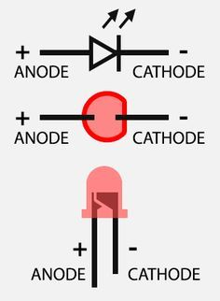
* Beginner soldering skills required. That means you have to understand schematics, not just being able to solder two wires together. There are no high expectations, but being able to read schematics and understand polarity of components are quite important.
* Populate all passive components first - sockets, capacitors, resistors, etc. Consider proper orientation for Pin1 IC sockets and polarity for capacitors, diode marks. Don't populate ICs yet.
* Populate pin headers
* Insert 6N138 and Teensy board after all.

